Sheet
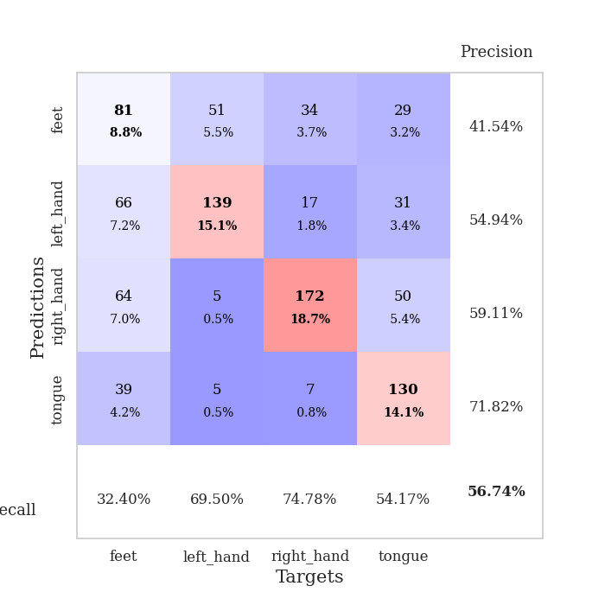
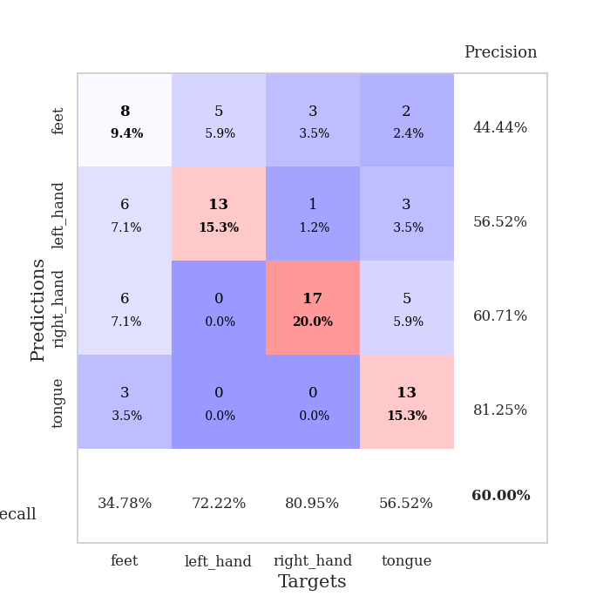
best_val_acc | best_val_los | best_test_acc
0.5 | 1.0954445212 | 0.60344827586
0.58695652174 | 1.2471897187 | 0.59482758621
0.58695652174 | 1.0184727752 | 0.66379310345
0.5652173913 | 1.1930221734 | 0.53448275862
0.52173913043 | 1.1730331182 | 0.59482758621
0.55434782609 | 1.1751893059 | 0.56034482759
0.60869565217 | 1.132345438 | 0.58620689655
0.53260869565 | 1.2983850189 | 0.58620689655
0.65217391304 | 0.87936197156 | 0.58620689655
0.5652173913 | 1.0587955454 | 0.55172413793

Mean,std Val accuracy is 0.567391304347826 , 0.04431560826498742 and mean, std test accuracy is 0.5862068965517241 , 0.034958405346541516

Sheet1
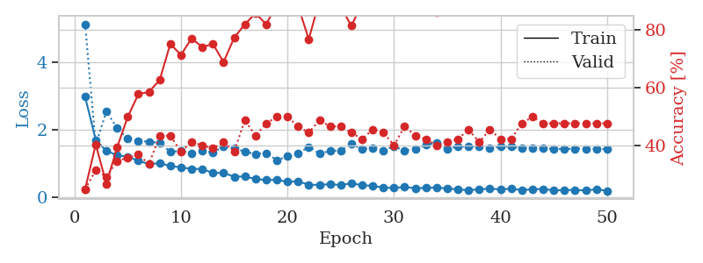
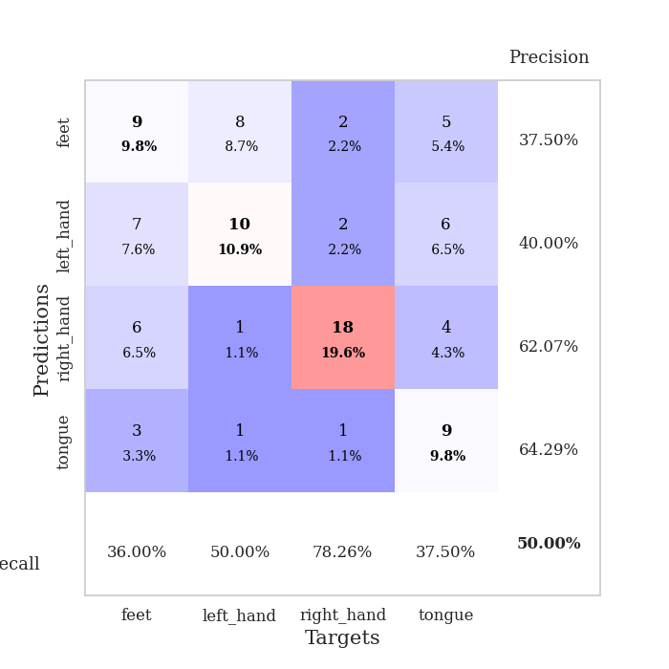
train_loss | valid_loss | train_accuracy | valid_accuracy | dur | train_misclass | valid_misclass
2.9769953023 | 5.1279881104 | 0.25 | 0.25 | 0.089445590973 | 25 | 25
1.6950320109 | 1.5472279839 | 0.40489130435 | 0.3152173913 | 0.08416891098 | 40.489130435 | 31.52173913
1.3723985009 | 2.5442006277 | 0.26902173913 | 0.29347826087 | 0.099254846573 | 26.902173913 | 29.347826087
1.2438092413 | 2.0469812103 | 0.39402173913 | 0.34782608696 | 0.098016500473 | 39.402173913 | 34.782608696
1.1984341456 | 1.7320651075 | 0.5 | 0.35869565217 | 0.096885919571 | 50 | 35.869565217
1.0779090576 | 1.6734268354 | 0.57880434783 | 0.36956521739 | 0.08292222023 | 57.880434783 | 36.956521739
0.98082722788 | 1.6412222852 | 0.58695652174 | 0.33695652174 | 0.082981348038 | 58.695652174 | 33.695652174
1.0108095537 | 1.6106953932 | 0.6277173913 | 0.4347826087 | 0.088626623154 | 62.77173913 | 43.47826087
0.92334433483 | 1.3461376429 | 0.7527173913 | 0.4347826087 | 0.085441589355 | 75.27173913 | 43.47826087
0.88438265479 | 1.3709418074 | 0.71467391304 | 0.38043478261 | 0.082711219788 | 71.467391304 | 38.043478261
0.84072697422 | 1.305623083 | 0.77173913043 | 0.41304347826 | 0.083176374435 | 77.173913043 | 41.304347826
0.83330372105 | 1.3633820544 | 0.74184782609 | 0.40217391304 | 0.083253145218 | 74.184782609 | 40.217391304
0.718668352 | 1.3257883735 | 0.7527173913 | 0.39130434783 | 0.083302736282 | 75.27173913 | 39.130434783
0.72010524377 | 1.4965614806 | 0.6902173913 | 0.41304347826 | 0.083288192749 | 69.02173913 | 41.304347826
0.60659503289 | 1.4502073734 | 0.77445652174 | 0.38043478261 | 0.086446762085 | 77.445652174 | 38.043478261
0.61683330458 | 1.3499113943 | 0.82065217391 | 0.48913043478 | 0.083178043365 | 82.065217391 | 48.913043478
0.53812567695 | 1.2800281566 | 0.85869565217 | 0.4347826087 | 0.083209514618 | 85.869565217 | 43.47826087
0.50978538459 | 1.3073222378 | 0.82065217391 | 0.47826086957 | 0.083028078079 | 82.065217391 | 47.826086957
0.51548867899 | 1.0954445212 | 0.88858695652 | 0.5 | 0.083240270615 | 88.858695652 | 50
0.45554385302 | 1.2142652999 | 0.86413043478 | 0.5 | 0.083138465881 | 86.413043478 | 50
0.47174570353 | 1.2994593382 | 0.88315217391 | 0.46739130435 | 0.082981824875 | 88.315217391 | 46.739130435
0.36882617292 | 1.4901118227 | 0.76902173913 | 0.44565217391 | 0.08318734169 | 76.902173913 | 44.565217391
0.36573405629 | 1.2958032722 | 0.90217391304 | 0.48913043478 | 0.083786725998 | 90.217391304 | 48.913043478
0.3843811109 | 1.3690665338 | 0.8777173913 | 0.46739130435 | 0.083791017532 | 87.77173913 | 46.739130435
0.35936081766 | 1.382881149 | 0.88043478261 | 0.46739130435 | 0.083719968796 | 88.043478261 | 46.739130435
0.41454853312 | 1.5728944488 | 0.8152173913 | 0.44565217391 | 0.083765506744 | 81.52173913 | 44.565217391
0.35343034857 | 1.4259348952 | 0.89130434783 | 0.42391304348 | 0.083745002747 | 89.130434783 | 42.391304348
0.34069979385 | 1.4647711308 | 0.86684782609 | 0.45652173913 | 0.0836789608 | 86.684782609 | 45.652173913
0.28085133077 | 1.386999011 | 0.89402173913 | 0.44565217391 | 0.083435773849 | 89.402173913 | 44.565217391
0.27802191351 | 1.5009600028 | 0.89673913043 | 0.40217391304 | 0.083525180817 | 89.673913043 | 40.217391304
0.30238224922 | 1.3867860151 | 0.92391304348 | 0.46739130435 | 0.083528995514 | 92.391304348 | 46.739130435
0.26898185326 | 1.4274445358 | 0.90217391304 | 0.4347826087 | 0.083826541901 | 90.217391304 | 43.47826087
0.2752448518 | 1.5467793579 | 0.88315217391 | 0.42391304348 | 0.083518266678 | 88.315217391 | 42.391304348
0.2888601121 | 1.6196103562 | 0.86141304348 | 0.40217391304 | 0.083087682724 | 86.141304348 | 40.217391304
0.25872936424 | 1.427971389 | 0.92663043478 | 0.41304347826 | 0.083147525787 | 92.663043478 | 41.304347826
0.23169691342 | 1.5061479859 | 0.88043478261 | 0.42391304348 | 0.083348274231 | 88.043478261 | 42.391304348
0.20730958134 | 1.4936344468 | 0.90217391304 | 0.45652173913 | 0.083329200745 | 90.217391304 | 45.652173913
0.23641849244 | 1.5135543191 | 0.88858695652 | 0.41304347826 | 0.086127281189 | 88.858695652 | 41.304347826
0.25073864603 | 1.4563671558 | 0.90760869565 | 0.45652173913 | 0.085091352463 | 90.760869565 | 45.652173913
0.23466038866 | 1.4981702929 | 0.90489130435 | 0.42391304348 | 0.084896802902 | 90.489130435 | 42.391304348
0.25026958695 | 1.5042071757 | 0.90760869565 | 0.42391304348 | 0.083184719086 | 90.760869565 | 42.391304348
0.20855464624 | 1.4437939447 | 0.93206521739 | 0.47826086957 | 0.083166599274 | 93.206521739 | 47.826086957
0.23783570528 | 1.4631307747 | 0.91576086957 | 0.5 | 0.083251476288 | 91.576086957 | 50
0.24421700357 | 1.4414119565 | 0.9347826087 | 0.47826086957 | 0.083718061447 | 93.47826087 | 47.826086957
0.2031115828 | 1.4322521116 | 0.93206521739 | 0.47826086957 | 0.083338737488 | 93.206521739 | 47.826086957
0.20928247014 | 1.4288027908 | 0.9347826087 | 0.47826086957 | 0.083273410797 | 93.47826087 | 47.826086957
0.21531832396 | 1.4385535976 | 0.9347826087 | 0.47826086957 | 0.084517478943 | 93.47826087 | 47.826086957
0.19756564077 | 1.4338188949 | 0.9375 | 0.47826086957 | 0.0847697258 | 93.75 | 47.826086957
0.23575030138 | 1.4301991826 | 0.9375 | 0.47826086957 | 0.083738803864 | 93.75 | 47.826086957
0.18720155023 | 1.4271702196 | 0.9402173913 | 0.47826086957 | 0.08317399025 | 94.02173913 | 47.826086957

Best Val accuracy is 0.5 and Best test accuracy is 0.603448275862069

Sheet2
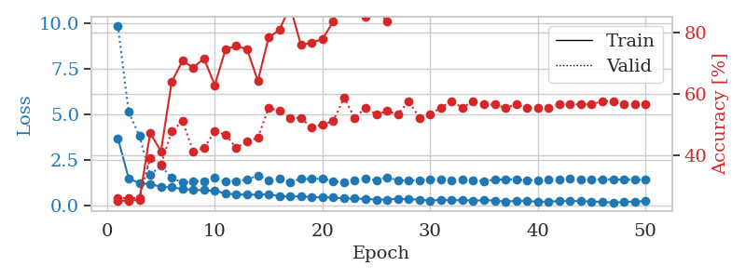
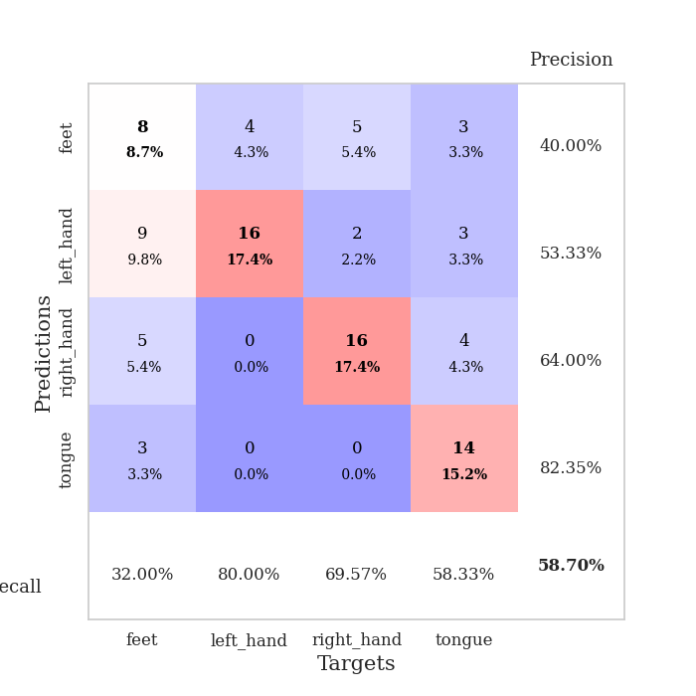
train_loss | valid_loss | train_accuracy | valid_accuracy | dur | train_misclass | valid_misclass
3.6904317192 | 9.882855291 | 0.2527173913 | 0.26086956522 | 0.089210510254 | 25.27173913 | 26.086956522
1.4849898038 | 5.1332212116 | 0.2527173913 | 0.26086956522 | 0.083473682404 | 25.27173913 | 26.086956522
1.2088855039 | 3.809825607 | 0.25543478261 | 0.26086956522 | 0.088898897171 | 25.543478261 | 26.086956522
1.1701753373 | 1.6649384447 | 0.47282608696 | 0.39130434783 | 0.084374666214 | 47.282608696 | 39.130434783
1.0131879138 | 2.1821718786 | 0.41304347826 | 0.36956521739 | 0.084181547165 | 41.304347826 | 36.956521739
0.99146014452 | 1.4952812998 | 0.63858695652 | 0.47826086957 | 0.083038330078 | 63.858695652 | 47.826086957
0.89378546243 | 1.248236042 | 0.70652173913 | 0.51086956522 | 0.082699537277 | 70.652173913 | 51.086956522
0.84018378413 | 1.3172880826 | 0.6847826087 | 0.41304347826 | 0.082595825195 | 68.47826087 | 41.304347826
0.83091023435 | 1.3293014817 | 0.71467391304 | 0.42391304348 | 0.082651138306 | 71.467391304 | 42.391304348
0.79171152607 | 1.4973736483 | 0.6277173913 | 0.47826086957 | 0.083662509918 | 62.77173913 | 47.826086957
0.64948711188 | 1.2988404735 | 0.74456521739 | 0.46739130435 | 0.083629131317 | 74.456521739 | 46.739130435
0.60033942694 | 1.3362483615 | 0.75543478261 | 0.42391304348 | 0.083157062531 | 75.543478261 | 42.391304348
0.57641037262 | 1.4143509243 | 0.74456521739 | 0.44565217391 | 0.086527109146 | 74.456521739 | 44.565217391
0.58627549332 | 1.643641052 | 0.64130434783 | 0.45652173913 | 0.083107948303 | 64.130434783 | 45.652173913
0.60587220218 | 1.3726594344 | 0.78260869565 | 0.55434782609 | 0.082788705826 | 78.260869565 | 55.434782609
0.50024393719 | 1.4585026814 | 0.80706521739 | 0.54347826087 | 0.082571744919 | 80.706521739 | 54.347826087
0.48293845485 | 1.2833903924 | 0.88315217391 | 0.52173913043 | 0.085746765137 | 88.315217391 | 52.173913043
0.48876044932 | 1.4544539866 | 0.75815217391 | 0.52173913043 | 0.083347082138 | 75.815217391 | 52.173913043
0.44855819059 | 1.4483499475 | 0.76630434783 | 0.48913043478 | 0.082666635513 | 76.630434783 | 48.913043478
0.43855747516 | 1.4663501615 | 0.77717391304 | 0.5 | 0.082805156708 | 77.717391304 | 50
0.42796370096 | 1.3364029553 | 0.83423913043 | 0.51086956522 | 0.082592725754 | 83.423913043 | 51.086956522
0.37311596326 | 1.2471897187 | 0.94836956522 | 0.58695652174 | 0.082692146301 | 94.836956522 | 58.695652174
0.37541366142 | 1.3478079101 | 0.88858695652 | 0.52173913043 | 0.082939147949 | 88.858695652 | 52.173913043
0.34454860409 | 1.4448097011 | 0.85054347826 | 0.55434782609 | 0.088907718658 | 85.054347826 | 55.434782609
0.31657610915 | 1.3826369721 | 0.88043478261 | 0.53260869565 | 0.08856511116 | 88.043478261 | 53.260869565
0.31446732419 | 1.5371824399 | 0.83423913043 | 0.54347826087 | 0.084198713303 | 83.423913043 | 54.347826087
0.35642807736 | 1.3727054129 | 0.91032608696 | 0.53260869565 | 0.083878278732 | 91.032608696 | 53.260869565
0.33117838463 | 1.3452316419 | 0.90489130435 | 0.57608695652 | 0.086654424667 | 90.489130435 | 57.608695652
0.31145309689 | 1.3783622669 | 0.89402173913 | 0.52173913043 | 0.09188914299 | 89.402173913 | 52.173913043
0.25535713784 | 1.4161745724 | 0.91032608696 | 0.53260869565 | 0.08722281456 | 91.032608696 | 53.260869565
0.29213113014 | 1.4389373634 | 0.89130434783 | 0.55434782609 | 0.083525419235 | 89.130434783 | 55.434782609
0.26999731216 | 1.3535501853 | 0.92934782609 | 0.57608695652 | 0.10849452019 | 92.934782609 | 57.608695652
0.285615439 | 1.4196864988 | 0.91304347826 | 0.55434782609 | 0.082811355591 | 91.304347826 | 55.434782609
0.25688592604 | 1.3717693194 | 0.92663043478 | 0.57608695652 | 0.082784175873 | 92.663043478 | 57.608695652
0.27487016178 | 1.3320981057 | 0.91576086957 | 0.5652173913 | 0.083020448685 | 91.576086957 | 56.52173913
0.26472418496 | 1.4058459531 | 0.89673913043 | 0.5652173913 | 0.083248376846 | 89.673913043 | 56.52173913
0.20092824361 | 1.4219967179 | 0.89673913043 | 0.55434782609 | 0.082808256149 | 89.673913043 | 55.434782609
0.24288019246 | 1.4140590015 | 0.89402173913 | 0.5652173913 | 0.087415933609 | 89.402173913 | 56.52173913
0.24490932343 | 1.3796641205 | 0.90217391304 | 0.55434782609 | 0.082713603973 | 90.217391304 | 55.434782609
0.18598120562 | 1.3868568617 | 0.90760869565 | 0.55434782609 | 0.083665847778 | 90.760869565 | 55.434782609
0.20108906212 | 1.4152235415 | 0.90217391304 | 0.55434782609 | 0.083076000214 | 90.217391304 | 55.434782609
0.22612488821 | 1.4273319089 | 0.90760869565 | 0.5652173913 | 0.084685087204 | 90.760869565 | 56.52173913
0.23282341951 | 1.4458332684 | 0.91032608696 | 0.5652173913 | 0.083450078964 | 91.032608696 | 56.52173913
0.23419634642 | 1.4306898895 | 0.90217391304 | 0.5652173913 | 0.083285331726 | 90.217391304 | 56.52173913
0.20549797332 | 1.4256428687 | 0.91032608696 | 0.5652173913 | 0.083420038223 | 91.032608696 | 56.52173913
0.18635348004 | 1.4173174267 | 0.91847826087 | 0.57608695652 | 0.083085536957 | 91.847826087 | 57.608695652
0.15172268645 | 1.4125100789 | 0.92663043478 | 0.57608695652 | 0.08295083046 | 92.663043478 | 57.608695652
0.17789735726 | 1.4070416741 | 0.92934782609 | 0.5652173913 | 0.08296585083 | 92.934782609 | 56.52173913
0.20559508839 | 1.4039158717 | 0.92934782609 | 0.5652173913 | 0.083892583847 | 92.934782609 | 56.52173913
0.22575658268 | 1.400864228 | 0.92934782609 | 0.5652173913 | 0.082805156708 | 92.934782609 | 56.52173913

Best Val accuracy is 0.5869565217391305 and Best test accuracy is 0.5948275862068966

Sheet3
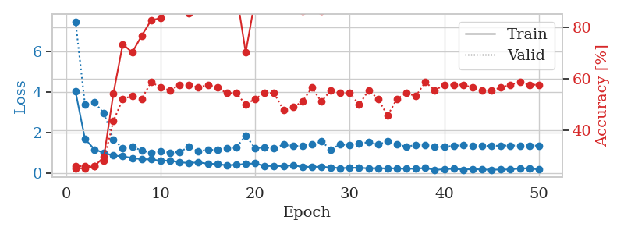
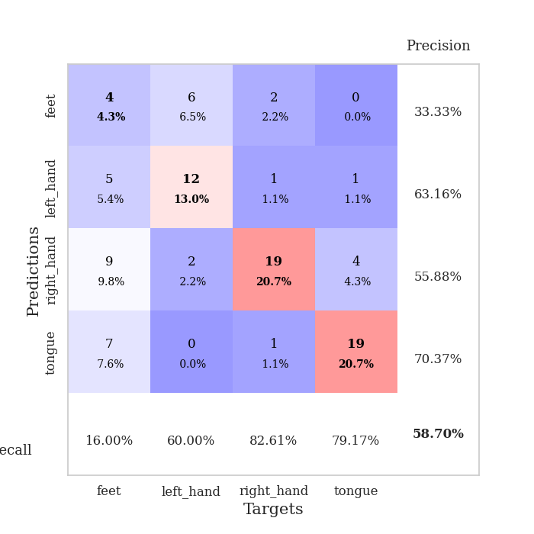
train_loss | valid_loss | train_accuracy | valid_accuracy | dur | train_misclass | valid_misclass
4.0394116018 | 7.498054919 | 0.2527173913 | 0.26086956522 | 0.099253177643 | 25.27173913 | 26.086956522
1.6974615636 | 3.3952667506 | 0.2527173913 | 0.26086956522 | 0.098073720932 | 25.27173913 | 26.086956522
1.1770076104 | 3.4997221594 | 0.26086956522 | 0.26086956522 | 0.096575021744 | 26.086956522 | 26.086956522
1.0074313387 | 2.96440195 | 0.29619565217 | 0.28260869565 | 0.082751750946 | 29.619565217 | 28.260869565
0.87186850672 | 1.6777478146 | 0.54076086957 | 0.4347826087 | 0.081896066666 | 54.076086957 | 43.47826087
0.83502412101 | 1.2252853824 | 0.73369565217 | 0.52173913043 | 0.081725120544 | 73.369565217 | 52.173913043
0.75126534441 | 1.3254284755 | 0.70108695652 | 0.53260869565 | 0.087319135666 | 70.108695652 | 53.260869565
0.69235100565 | 1.1122332734 | 0.76630434783 | 0.52173913043 | 0.084581851959 | 76.630434783 | 52.173913043
0.68564260524 | 1.022577348 | 0.82608695652 | 0.58695652174 | 0.089950323105 | 82.608695652 | 58.695652174
0.61364629865 | 1.0919448293 | 0.83423913043 | 0.5652173913 | 0.086021900177 | 83.423913043 | 56.52173913
0.62401558783 | 1.0184727752 | 0.88043478261 | 0.55434782609 | 0.097215652466 | 88.043478261 | 55.434782609
0.54091454848 | 1.0563626574 | 0.90760869565 | 0.57608695652 | 0.086076498032 | 90.760869565 | 57.608695652
0.50677758714 | 1.2957471972 | 0.85326086957 | 0.57608695652 | 0.084173679352 | 85.326086957 | 57.608695652
0.53473314708 | 1.0801232509 | 0.91847826087 | 0.5652173913 | 0.08210515976 | 91.847826087 | 56.52173913
0.471543579 | 1.1616880583 | 0.91032608696 | 0.57608695652 | 0.084052562714 | 91.032608696 | 57.608695652
0.45286478685 | 1.1428968155 | 0.92934782609 | 0.5652173913 | 0.081270456314 | 92.934782609 | 56.52173913
0.39161273643 | 1.2399015012 | 0.92663043478 | 0.54347826087 | 0.081872701645 | 92.663043478 | 54.347826087
0.42173002984 | 1.2555050461 | 0.9347826087 | 0.54347826087 | 0.081699132919 | 93.47826087 | 54.347826087
0.45419821402 | 1.8672183078 | 0.70108695652 | 0.5 | 0.082782268524 | 70.108695652 | 50
0.48762167342 | 1.2230974125 | 0.90760869565 | 0.52173913043 | 0.083248376846 | 90.760869565 | 52.173913043
0.35521311993 | 1.2865849345 | 0.90760869565 | 0.54347826087 | 0.082117557526 | 90.760869565 | 54.347826087
0.35865269925 | 1.2295988694 | 0.90760869565 | 0.54347826087 | 0.081834793091 | 90.760869565 | 54.347826087
0.34860795833 | 1.4187313318 | 0.90489130435 | 0.47826086957 | 0.081070661545 | 90.489130435 | 47.826086957
0.39862331554 | 1.3422077791 | 0.91847826087 | 0.48913043478 | 0.081285238266 | 91.847826087 | 48.913043478
0.30893957291 | 1.3531361715 | 0.86141304348 | 0.51086956522 | 0.081168889999 | 86.141304348 | 51.086956522
0.31996027283 | 1.4155739546 | 0.90217391304 | 0.5652173913 | 0.081077098846 | 90.217391304 | 56.52173913
0.31499432934 | 1.5732920481 | 0.86141304348 | 0.51086956522 | 0.081394910812 | 86.141304348 | 51.086956522
0.28692119504 | 1.176288768 | 0.92663043478 | 0.55434782609 | 0.080748558044 | 92.663043478 | 55.434782609
0.25088608524 | 1.4304011438 | 0.8722826087 | 0.54347826087 | 0.081315517426 | 87.22826087 | 54.347826087
0.26603582761 | 1.3762184071 | 0.89130434783 | 0.54347826087 | 0.080786705017 | 89.130434783 | 54.347826087
0.2702661202 | 1.4791338599 | 0.875 | 0.5 | 0.08098077774 | 87.5 | 50
0.24042512962 | 1.5281730268 | 0.88586956522 | 0.55434782609 | 0.081046581268 | 88.586956522 | 55.434782609
0.25091974858 | 1.4216664615 | 0.91032608696 | 0.52173913043 | 0.080828428268 | 91.032608696 | 52.173913043
0.23343076249 | 1.5683846888 | 0.86956521739 | 0.45652173913 | 0.080884695053 | 86.956521739 | 45.652173913
0.24389196754 | 1.4329881616 | 0.88858695652 | 0.52173913043 | 0.081058502197 | 88.858695652 | 52.173913043
0.214931765 | 1.3054890995 | 0.94565217391 | 0.54347826087 | 0.080952882767 | 94.565217391 | 54.347826087
0.22833554981 | 1.4051853107 | 0.92391304348 | 0.53260869565 | 0.080900430679 | 92.391304348 | 53.260869565
0.25379739216 | 1.4053027734 | 0.90217391304 | 0.58695652174 | 0.080973625183 | 90.217391304 | 58.695652174
0.16718298606 | 1.2940503255 | 0.92391304348 | 0.55434782609 | 0.080827713013 | 92.391304348 | 55.434782609
0.19517628168 | 1.3057463947 | 0.9347826087 | 0.57608695652 | 0.081386327744 | 93.47826087 | 57.608695652
0.22394390939 | 1.3549125972 | 0.92663043478 | 0.57608695652 | 0.08492398262 | 92.663043478 | 57.608695652
0.17409719948 | 1.3812267262 | 0.92663043478 | 0.57608695652 | 0.08162689209 | 92.663043478 | 57.608695652
0.21033270949 | 1.3643946181 | 0.92663043478 | 0.5652173913 | 0.082180023193 | 92.663043478 | 56.52173913
0.17809472849 | 1.3431819885 | 0.9347826087 | 0.55434782609 | 0.081250667572 | 93.47826087 | 55.434782609
0.1756587401 | 1.3512156269 | 0.9347826087 | 0.55434782609 | 0.081428766251 | 93.47826087 | 55.434782609
0.18049214343 | 1.3625942417 | 0.93206521739 | 0.5652173913 | 0.081081867218 | 93.206521739 | 56.52173913
0.18450112673 | 1.3676236142 | 0.92663043478 | 0.57608695652 | 0.08583521843 | 92.663043478 | 57.608695652
0.24242191227 | 1.3668228906 | 0.9347826087 | 0.58695652174 | 0.082577705383 | 93.47826087 | 58.695652174
0.23588910764 | 1.3636730858 | 0.9347826087 | 0.57608695652 | 0.081602096558 | 93.47826087 | 57.608695652
0.18472446364 | 1.3627571904 | 0.9347826087 | 0.57608695652 | 0.083028554916 | 93.47826087 | 57.608695652

Best Val accuracy is 0.5869565217391305 and Best test accuracy is 0.6637931034482759

Sheet4
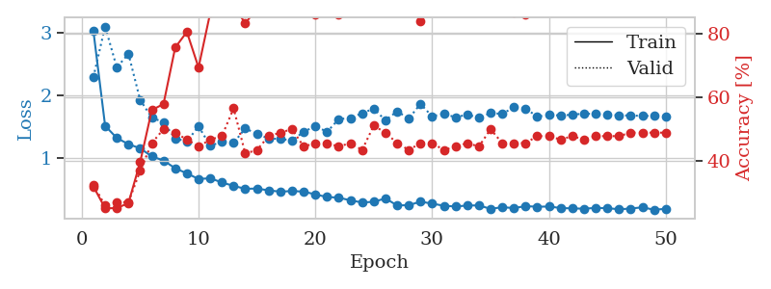
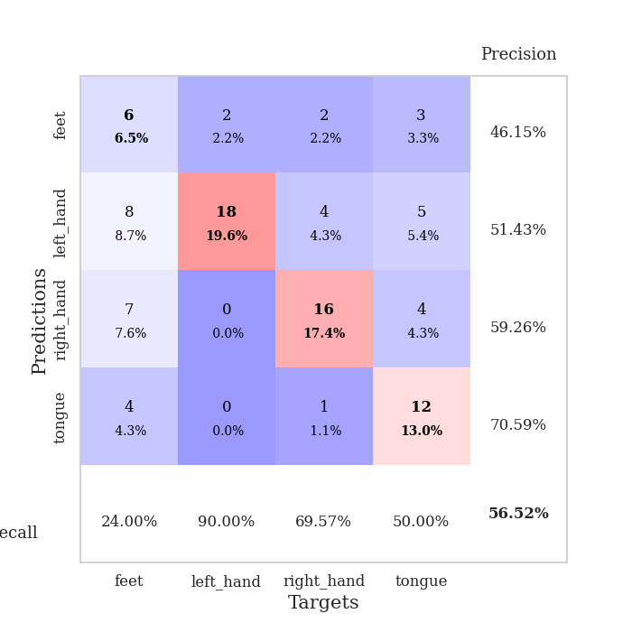
train_loss | valid_loss | train_accuracy | valid_accuracy | dur | train_misclass | valid_misclass
3.0206605351 | 2.2880586852 | 0.32065217391 | 0.32608695652 | 0.082247257233 | 32.065217391 | 32.608695652
1.5101626127 | 3.0953697433 | 0.2527173913 | 0.26086956522 | 0.081520080566 | 25.27173913 | 26.086956522
1.3142278609 | 2.4422096688 | 0.2527173913 | 0.27173913043 | 0.082373380661 | 25.27173913 | 27.173913043
1.2163010965 | 2.6581477808 | 0.26902173913 | 0.27173913043 | 0.081621646881 | 26.902173913 | 27.173913043
1.1491656666 | 1.9222551584 | 0.39673913043 | 0.36956521739 | 0.081473350525 | 39.673913043 | 36.956521739
1.0204886639 | 1.6392742706 | 0.5597826087 | 0.45652173913 | 0.083431005478 | 55.97826087 | 45.652173913
0.95505539231 | 1.5661448137 | 0.57880434783 | 0.5 | 0.081165075302 | 57.880434783 | 50
0.83103752914 | 1.3065733936 | 0.75543478261 | 0.48913043478 | 0.081006526947 | 75.543478261 | 48.913043478
0.74970280476 | 1.260030933 | 0.80434782609 | 0.46739130435 | 0.081349372864 | 80.434782609 | 46.739130435
0.65929418025 | 1.4991893613 | 0.69293478261 | 0.44565217391 | 0.080726861954 | 69.293478261 | 44.565217391
0.67222279051 | 1.1930221734 | 0.86413043478 | 0.46739130435 | 0.080830574036 | 86.413043478 | 46.739130435
0.6035721911 | 1.2512652926 | 0.8777173913 | 0.47826086957 | 0.08078789711 | 87.77173913 | 47.826086957
0.54994182353 | 1.2358744715 | 0.88586956522 | 0.5652173913 | 0.080616235733 | 88.586956522 | 56.52173913
0.50258263427 | 1.468586336 | 0.83152173913 | 0.42391304348 | 0.080999612808 | 83.152173913 | 42.391304348
0.50716322013 | 1.378095772 | 0.8777173913 | 0.4347826087 | 0.081192970276 | 87.77173913 | 43.47826087
0.47787540244 | 1.3060784599 | 0.88043478261 | 0.47826086957 | 0.080572128296 | 88.043478261 | 47.826086957
0.45734947337 | 1.2998573521 | 0.89945652174 | 0.48913043478 | 0.080683231354 | 89.945652174 | 48.913043478
0.46755163501 | 1.2747604536 | 0.92391304348 | 0.5 | 0.082767248154 | 92.391304348 | 50
0.45818597467 | 1.4122515606 | 0.8777173913 | 0.44565217391 | 0.08127450943 | 87.77173913 | 44.565217391
0.41318615105 | 1.5063655687 | 0.85869565217 | 0.45652173913 | 0.081711530685 | 85.869565217 | 45.652173913
0.37204451535 | 1.4115095087 | 0.90217391304 | 0.45652173913 | 0.080592870712 | 90.217391304 | 45.652173913
0.3619257338 | 1.6163970284 | 0.85869565217 | 0.44565217391 | 0.080364942551 | 85.869565217 | 44.565217391
0.31839247048 | 1.6327153133 | 0.86956521739 | 0.45652173913 | 0.080771207809 | 86.956521739 | 45.652173913
0.28495433927 | 1.7102791278 | 0.8777173913 | 0.4347826087 | 0.081831455231 | 87.77173913 | 43.47826087
0.29514791395 | 1.7822869964 | 0.8777173913 | 0.51086956522 | 0.080472230911 | 87.77173913 | 51.086956522
0.34967149114 | 1.59734784 | 0.90489130435 | 0.48913043478 | 0.080578565598 | 90.489130435 | 48.913043478
0.23734643812 | 1.7402338101 | 0.8722826087 | 0.45652173913 | 0.081009864807 | 87.22826087 | 45.652173913
0.24182236486 | 1.625847179 | 0.91032608696 | 0.4347826087 | 0.081303834915 | 91.032608696 | 43.47826087
0.29811751259 | 1.8588863611 | 0.83695652174 | 0.45652173913 | 0.08148765564 | 83.695652174 | 45.652173913
0.2657387762 | 1.6598660583 | 0.90489130435 | 0.45652173913 | 0.081132650375 | 90.489130435 | 45.652173913
0.23279022652 | 1.7027939454 | 0.89130434783 | 0.4347826087 | 0.081026315689 | 89.130434783 | 43.47826087
0.22014346233 | 1.6437774793 | 0.89673913043 | 0.44565217391 | 0.080924034119 | 89.673913043 | 44.565217391
0.236007303 | 1.688676207 | 0.88043478261 | 0.45652173913 | 0.081394433975 | 88.043478261 | 45.652173913
0.23806399917 | 1.6391469448 | 0.91576086957 | 0.44565217391 | 0.081172227859 | 91.576086957 | 44.565217391
0.18200018759 | 1.7107998962 | 0.88043478261 | 0.5 | 0.081660032272 | 88.043478261 | 50
0.20974698452 | 1.700655336 | 0.89945652174 | 0.45652173913 | 0.083605527878 | 89.945652174 | 45.652173913
0.19479965095 | 1.8044203727 | 0.86413043478 | 0.45652173913 | 0.080915927887 | 86.413043478 | 45.652173913
0.22603327975 | 1.7843750715 | 0.85869565217 | 0.45652173913 | 0.08040356636 | 85.869565217 | 45.652173913
0.21645105015 | 1.6570043719 | 0.89130434783 | 0.47826086957 | 0.07954454422 | 89.130434783 | 47.826086957
0.21984010578 | 1.6820834409 | 0.88315217391 | 0.47826086957 | 0.079931735992 | 88.315217391 | 47.826086957
0.19582768675 | 1.6751317771 | 0.89673913043 | 0.46739130435 | 0.080389738083 | 89.673913043 | 46.739130435
0.19012640336 | 1.6857224392 | 0.89673913043 | 0.47826086957 | 0.080234527588 | 89.673913043 | 47.826086957
0.18493792398 | 1.7050459074 | 0.89673913043 | 0.46739130435 | 0.079487323761 | 89.673913043 | 46.739130435
0.1978729756 | 1.6966530396 | 0.89945652174 | 0.47826086957 | 0.079692602158 | 89.945652174 | 47.826086957
0.19360231932 | 1.6859780965 | 0.90489130435 | 0.47826086957 | 0.079442977905 | 90.489130435 | 47.826086957
0.17582611804 | 1.6767062363 | 0.90489130435 | 0.47826086957 | 0.079526185989 | 90.489130435 | 47.826086957
0.18715162203 | 1.6733004321 | 0.90489130435 | 0.48913043478 | 0.079931974411 | 90.489130435 | 48.913043478
0.20751091174 | 1.6681254273 | 0.90489130435 | 0.48913043478 | 0.079282045364 | 90.489130435 | 48.913043478
0.16822524774 | 1.6666874056 | 0.90489130435 | 0.48913043478 | 0.079432725906 | 90.489130435 | 48.913043478
0.18314173769 | 1.6642647152 | 0.90489130435 | 0.48913043478 | 0.079468250275 | 90.489130435 | 48.913043478

Best Val accuracy is 0.5652173913043478 and Best test accuracy is 0.5344827586206896

Sheet5
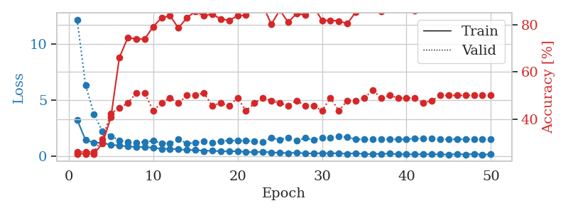
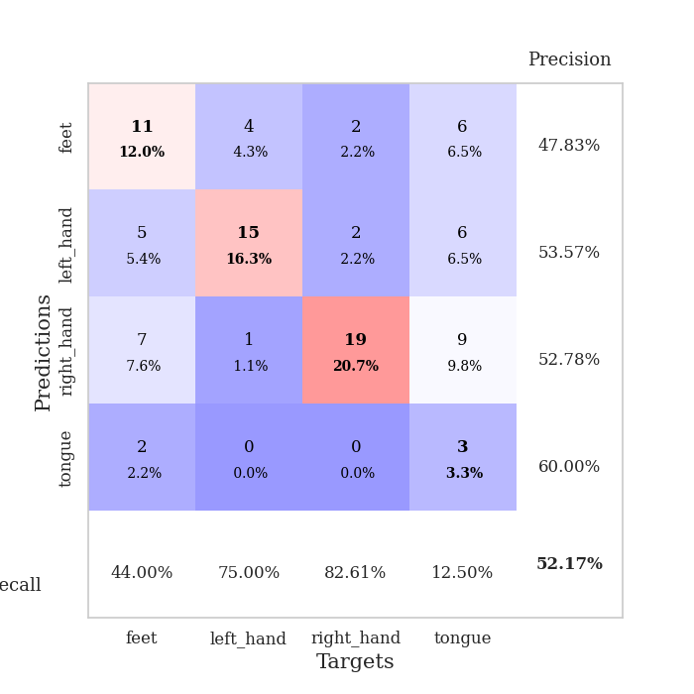
train_loss | valid_loss | train_accuracy | valid_accuracy | dur | train_misclass | valid_misclass
3.2782837826 | 12.208516038 | 0.2527173913 | 0.26086956522 | 0.083318471909 | 25.27173913 | 26.086956522
1.4574277194 | 6.3492356798 | 0.2527173913 | 0.26086956522 | 0.084236621857 | 25.27173913 | 26.086956522
1.239289885 | 3.7617897884 | 0.2527173913 | 0.26086956522 | 0.080183744431 | 25.27173913 | 26.086956522
1.2141243116 | 2.2373957997 | 0.29619565217 | 0.3152173913 | 0.079474925995 | 29.619565217 | 31.52173913
1.0269157472 | 1.8192033405 | 0.40760869565 | 0.42391304348 | 0.079619169235 | 40.760869565 | 42.391304348
0.98048557147 | 1.4300520342 | 0.66032608696 | 0.44565217391 | 0.079471349716 | 66.032608696 | 44.565217391
0.88055741528 | 1.3084104191 | 0.74456521739 | 0.46739130435 | 0.079878091812 | 74.456521739 | 46.739130435
0.84612714467 | 1.2388299885 | 0.73913043478 | 0.51086956522 | 0.079660892487 | 73.913043478 | 51.086956522
0.83172969585 | 1.3055650229 | 0.73913043478 | 0.51086956522 | 0.079433679581 | 73.913043478 | 51.086956522
0.77437951383 | 1.3823985069 | 0.79076086957 | 0.4347826087 | 0.079468488693 | 79.076086957 | 43.47826087
0.67732325585 | 1.1905003682 | 0.82880434783 | 0.46739130435 | 0.079105854034 | 82.880434783 | 46.739130435
0.68158211268 | 1.1730331182 | 0.83695652174 | 0.48913043478 | 0.079964399338 | 83.695652174 | 48.913043478
0.64511282418 | 1.5154562359 | 0.78532608696 | 0.46739130435 | 0.079110860825 | 78.532608696 | 46.739130435
0.56500221206 | 1.1738655049 | 0.82880434783 | 0.5 | 0.084212779999 | 82.880434783 | 50
0.58718232098 | 1.1942403472 | 0.85597826087 | 0.5 | 0.079184770584 | 85.597826087 | 50
0.49389726571 | 1.3361601363 | 0.83695652174 | 0.51086956522 | 0.080255270004 | 83.695652174 | 51.086956522
0.52016124129 | 1.2444301014 | 0.84510869565 | 0.45652173913 | 0.079827070236 | 84.510869565 | 45.652173913
0.44566463323 | 1.3577883606 | 0.82336956522 | 0.46739130435 | 0.079172134399 | 82.336956522 | 46.739130435
0.46410120635 | 1.4429987824 | 0.81793478261 | 0.45652173913 | 0.079340696335 | 81.793478261 | 45.652173913
0.46723440937 | 1.3862134011 | 0.83695652174 | 0.48913043478 | 0.079630851746 | 83.695652174 | 48.913043478
0.39931668762 | 1.3831808101 | 0.83967391304 | 0.4347826087 | 0.08000421524 | 83.967391304 | 43.47826087
0.38293650973 | 1.3750511615 | 0.875 | 0.46739130435 | 0.079681396484 | 87.5 | 46.739130435
0.4139783674 | 1.2957995301 | 0.88043478261 | 0.48913043478 | 0.082760334015 | 88.043478261 | 48.913043478
0.36325517556 | 1.6676146258 | 0.80163043478 | 0.47826086957 | 0.080986499786 | 80.163043478 | 47.826086957
0.32760821607 | 1.4892853447 | 0.86141304348 | 0.46739130435 | 0.080921649933 | 86.141304348 | 46.739130435
0.2964323325 | 1.6897719166 | 0.8097826087 | 0.45652173913 | 0.081131696701 | 80.97826087 | 45.652173913
0.3391983373 | 1.3949528466 | 0.84782608696 | 0.47826086957 | 0.081249475479 | 84.782608696 | 47.826086957
0.26519692074 | 1.6364591847 | 0.83967391304 | 0.45652173913 | 0.081089496613 | 83.967391304 | 45.652173913
0.27554332951 | 1.4747624656 | 0.8777173913 | 0.45652173913 | 0.081295490265 | 87.77173913 | 45.652173913
0.2939400234 | 1.6620294115 | 0.81793478261 | 0.4347826087 | 0.081724405289 | 81.793478261 | 43.47826087
0.28112733235 | 1.6662835453 | 0.81793478261 | 0.48913043478 | 0.081437826157 | 81.793478261 | 48.913043478
0.2871641967 | 1.7628379957 | 0.8152173913 | 0.4347826087 | 0.081438541412 | 81.52173913 | 43.47826087
0.22925913787 | 1.7208245163 | 0.80434782609 | 0.47826086957 | 0.081294059753 | 80.434782609 | 47.826086957
0.30082600402 | 1.5317610865 | 0.85326086957 | 0.47826086957 | 0.081750869751 | 85.326086957 | 47.826086957
0.19945479767 | 1.5238080284 | 0.86413043478 | 0.48913043478 | 0.081362247467 | 86.413043478 | 48.913043478
0.22983587047 | 1.5133795272 | 0.8777173913 | 0.52173913043 | 0.081077098846 | 87.77173913 | 52.173913043
0.22889382732 | 1.5680209709 | 0.85597826087 | 0.48913043478 | 0.081483364105 | 85.597826087 | 48.913043478
0.25178365053 | 1.52607669 | 0.8722826087 | 0.5 | 0.081119298935 | 87.22826087 | 50
0.18805026919 | 1.521940703 | 0.86413043478 | 0.48913043478 | 0.081470727921 | 86.413043478 | 48.913043478
0.19622255133 | 1.527255561 | 0.86684782609 | 0.48913043478 | 0.081269264221 | 86.684782609 | 48.913043478
0.18233274328 | 1.6012206907 | 0.85869565217 | 0.48913043478 | 0.081191778183 | 85.869565217 | 48.913043478
0.19924927956 | 1.5793241573 | 0.86956521739 | 0.46739130435 | 0.082661628723 | 86.956521739 | 46.739130435
0.19506463603 | 1.5942636728 | 0.8777173913 | 0.47826086957 | 0.081532716751 | 87.77173913 | 47.826086957
0.18405103764 | 1.5423307678 | 0.88858695652 | 0.5 | 0.083793878555 | 88.858695652 | 50
0.16785303374 | 1.5295574095 | 0.89130434783 | 0.5 | 0.082891702652 | 89.130434783 | 50
0.20656170583 | 1.5315964377 | 0.88858695652 | 0.5 | 0.083375930786 | 88.858695652 | 50
0.1752610699 | 1.5353868267 | 0.89402173913 | 0.5 | 0.082617759705 | 89.402173913 | 50
0.22608936286 | 1.532830596 | 0.89402173913 | 0.5 | 0.0832695961 | 89.402173913 | 50
0.16323598499 | 1.5288197009 | 0.89673913043 | 0.5 | 0.081841230392 | 89.673913043 | 50
0.18343492273 | 1.5254902166 | 0.89673913043 | 0.5 | 0.083035230637 | 89.673913043 | 50

Best Val accuracy is 0.5217391304347826 and Best test accuracy is 0.5948275862068966

Sheet6
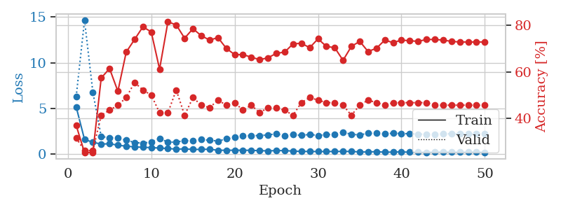
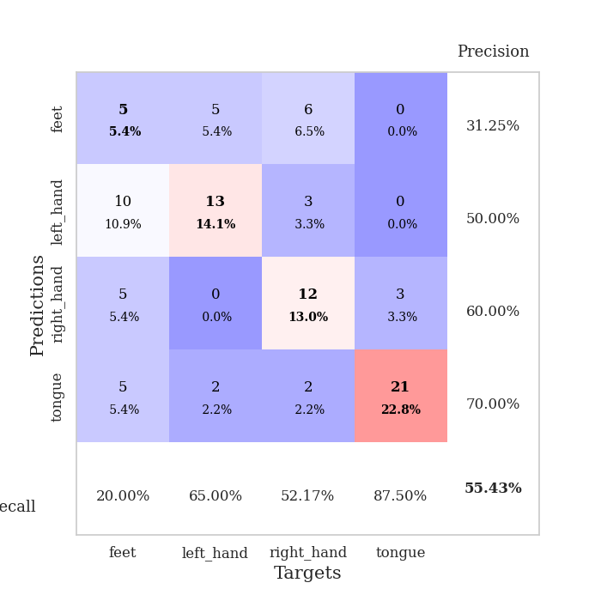
train_loss | valid_loss | train_accuracy | valid_accuracy | dur | train_misclass | valid_misclass
5.1521121523 | 6.2755757829 | 0.36956521739 | 0.3152173913 | 0.084650993347 | 36.956521739 | 31.52173913
1.5784273666 | 14.650608726 | 0.2527173913 | 0.26086956522 | 0.082598686218 | 25.27173913 | 26.086956522
1.2784018231 | 6.7750136127 | 0.2527173913 | 0.26086956522 | 0.079481840134 | 25.27173913 | 26.086956522
1.0712357474 | 1.8992548663 | 0.57336956522 | 0.41304347826 | 0.080713272095 | 57.336956522 | 41.304347826
1.1150936977 | 1.7878052981 | 0.61413043478 | 0.4347826087 | 0.079572439194 | 61.413043478 | 43.47826087
0.95238701416 | 1.7340679817 | 0.51630434783 | 0.45652173913 | 0.079402446747 | 51.630434783 | 45.652173913
0.84393808764 | 1.5039766586 | 0.6847826087 | 0.48913043478 | 0.07953286171 | 68.47826087 | 48.913043478
0.77029103818 | 1.2494689667 | 0.73913043478 | 0.55434782609 | 0.079689025879 | 73.913043478 | 55.434782609
0.72441106128 | 1.1751893059 | 0.79347826087 | 0.52173913043 | 0.080644607544 | 79.347826087 | 52.173913043
0.68554947169 | 1.3222363073 | 0.77173913043 | 0.5 | 0.080700397491 | 77.173913043 | 50
0.64168861379 | 1.6878905763 | 0.61141304348 | 0.42391304348 | 0.079657077789 | 61.141304348 | 42.391304348
0.58606481487 | 1.2863572991 | 0.8152173913 | 0.42391304348 | 0.079339265823 | 81.52173913 | 42.391304348
0.52220664141 | 1.2933239004 | 0.80163043478 | 0.52173913043 | 0.079392671585 | 80.163043478 | 52.173913043
0.54594436806 | 1.4702973625 | 0.74456521739 | 0.41304347826 | 0.079616308212 | 74.456521739 | 41.304347826
0.49349723497 | 1.4142821509 | 0.78532608696 | 0.48913043478 | 0.079291820526 | 78.532608696 | 48.913043478
0.48669095856 | 1.5618373622 | 0.75543478261 | 0.45652173913 | 0.07931804657 | 75.543478261 | 45.652173913
0.51722866297 | 1.494883558 | 0.73641304348 | 0.44565217391 | 0.079336166382 | 73.641304348 | 44.565217391
0.39145072517 | 1.4069401233 | 0.7472826087 | 0.47826086957 | 0.079369306564 | 74.72826087 | 47.826086957
0.404794509 | 1.6479019549 | 0.70108695652 | 0.45652173913 | 0.079521894455 | 70.108695652 | 45.652173913
0.39817212328 | 1.7925895349 | 0.67391304348 | 0.46739130435 | 0.083945989609 | 67.391304348 | 46.739130435
0.40262727051 | 2.0054504301 | 0.67391304348 | 0.4347826087 | 0.084614515305 | 67.391304348 | 43.47826087
0.38706531343 | 2.0042400464 | 0.66304347826 | 0.45652173913 | 0.082096338272 | 66.304347826 | 45.652173913
0.35082106227 | 2.0146025264 | 0.65217391304 | 0.42391304348 | 0.079936981201 | 65.217391304 | 42.391304348
0.33156238367 | 2.0803343109 | 0.66032608696 | 0.44565217391 | 0.07945394516 | 66.032608696 | 44.565217391
0.35932152815 | 2.1992001741 | 0.67934782609 | 0.44565217391 | 0.079572677612 | 67.934782609 | 44.565217391
0.36023634283 | 1.9848149445 | 0.6847826087 | 0.4347826087 | 0.079440355301 | 68.47826087 | 43.47826087
0.30471792752 | 2.1136647411 | 0.72010869565 | 0.41304347826 | 0.079820394516 | 72.010869565 | 41.304347826
0.27124452202 | 2.0324064441 | 0.72282608696 | 0.46739130435 | 0.089279413223 | 72.282608696 | 46.739130435
0.26635218606 | 2.133431248 | 0.70380434783 | 0.48913043478 | 0.082249403 | 70.380434783 | 48.913043478
0.25654538583 | 2.0181461935 | 0.74184782609 | 0.47826086957 | 0.081341028214 | 74.184782609 | 47.826086957
0.25673033491 | 2.1214876901 | 0.70923913043 | 0.46739130435 | 0.079543590546 | 70.923913043 | 46.739130435
0.26990010363 | 2.1313880941 | 0.70380434783 | 0.46739130435 | 0.079540252686 | 70.380434783 | 46.739130435
0.26940980521 | 2.3756733252 | 0.64945652174 | 0.45652173913 | 0.079530000687 | 64.945652174 | 45.652173913
0.26852314984 | 2.1475416163 | 0.70923913043 | 0.41304347826 | 0.079532146454 | 70.923913043 | 41.304347826
0.21336515734 | 2.0838130453 | 0.73097826087 | 0.45652173913 | 0.07928943634 | 73.097826087 | 45.652173913
0.20827469537 | 2.2597265658 | 0.6875 | 0.47826086957 | 0.07919549942 | 68.75 | 47.826086957
0.24970241928 | 2.2558319776 | 0.70108695652 | 0.46739130435 | 0.079488754272 | 70.108695652 | 46.739130435
0.17887771146 | 2.2029978607 | 0.73641304348 | 0.45652173913 | 0.080060482025 | 73.641304348 | 45.652173913
0.20567026491 | 2.2685948455 | 0.72554347826 | 0.46739130435 | 0.079873085022 | 72.554347826 | 46.739130435
0.21702525344 | 2.2281554989 | 0.73641304348 | 0.46739130435 | 0.079526424408 | 73.641304348 | 46.739130435
0.1852827665 | 2.2122477863 | 0.73369565217 | 0.46739130435 | 0.079428434372 | 73.369565217 | 46.739130435
0.18300274905 | 2.1727372874 | 0.73097826087 | 0.46739130435 | 0.079518795013 | 73.097826087 | 46.739130435
0.16199846663 | 2.1589324889 | 0.73913043478 | 0.46739130435 | 0.079438924789 | 73.913043478 | 46.739130435
0.19570081422 | 2.1685721252 | 0.73913043478 | 0.45652173913 | 0.079605817795 | 73.913043478 | 45.652173913
0.20542087616 | 2.1932282655 | 0.73641304348 | 0.45652173913 | 0.079365730286 | 73.641304348 | 45.652173913
0.18548671075 | 2.2049593614 | 0.73097826087 | 0.45652173913 | 0.079404115677 | 73.097826087 | 45.652173913
0.17950262162 | 2.1953812786 | 0.72826086957 | 0.45652173913 | 0.079711198807 | 72.826086957 | 45.652173913
0.19128624625 | 2.1860467662 | 0.72826086957 | 0.45652173913 | 0.079278230667 | 72.826086957 | 45.652173913
0.19310561001 | 2.1821823016 | 0.72826086957 | 0.45652173913 | 0.079248189926 | 72.826086957 | 45.652173913
0.15494790074 | 2.1782154622 | 0.72826086957 | 0.45652173913 | 0.079252719879 | 72.826086957 | 45.652173913

Best Val accuracy is 0.5543478260869565 and Best test accuracy is 0.5603448275862069

Sheet7
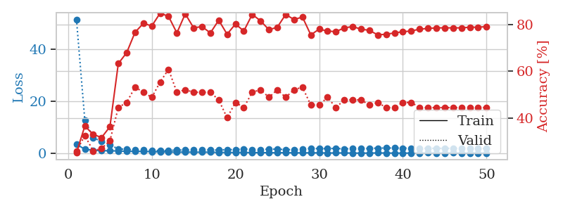
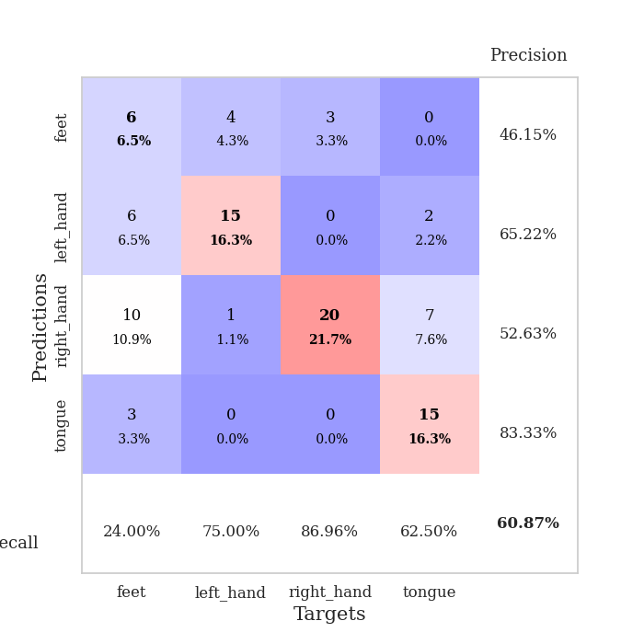
train_loss | valid_loss | train_accuracy | valid_accuracy | dur | train_misclass | valid_misclass
3.5391543378 | 51.432370227 | 0.2527173913 | 0.26086956522 | 0.081435441971 | 25.27173913 | 26.086956522
1.671748436 | 12.747444153 | 0.36684782609 | 0.32608695652 | 0.081570386887 | 36.684782609 | 32.608695652
1.2800437419 | 6.1062340425 | 0.33152173913 | 0.26086956522 | 0.081168413162 | 33.152173913 | 26.086956522
1.1393453012 | 4.5874347376 | 0.31793478261 | 0.27173913043 | 0.080329179764 | 31.793478261 | 27.173913043
1.0339659971 | 3.2338969915 | 0.36413043478 | 0.30434782609 | 0.07995891571 | 36.413043478 | 30.434782609
1.0039898313 | 1.829138025 | 0.63315217391 | 0.44565217391 | 0.081373214722 | 63.315217391 | 44.565217391
0.8351823856 | 1.6042077179 | 0.67934782609 | 0.46739130435 | 0.080650091171 | 67.934782609 | 46.739130435
0.83843561618 | 1.4233786801 | 0.76630434783 | 0.53260869565 | 0.080273628235 | 76.630434783 | 53.260869565
0.79882664266 | 1.3226365525 | 0.80434782609 | 0.51086956522 | 0.081422805786 | 80.434782609 | 51.086956522
0.7232712585 | 1.2449692436 | 0.79347826087 | 0.48913043478 | 0.080705404282 | 79.347826087 | 48.913043478
0.61654296647 | 1.132345438 | 0.84782608696 | 0.55434782609 | 0.080424308777 | 84.782608696 | 55.434782609
0.59489316655 | 1.1576095301 | 0.83423913043 | 0.60869565217 | 0.08026266098 | 83.423913043 | 60.869565217
0.50357626832 | 1.3689873789 | 0.76358695652 | 0.51086956522 | 0.086989879608 | 76.358695652 | 51.086956522
0.56742797857 | 1.3034196315 | 0.84510869565 | 0.52173913043 | 0.082485437393 | 84.510869565 | 52.173913043
0.51354618889 | 1.3445244198 | 0.78532608696 | 0.51086956522 | 0.083063364029 | 78.532608696 | 51.086956522
0.53022068739 | 1.4078316378 | 0.79076086957 | 0.51086956522 | 0.083475112915 | 79.076086957 | 51.086956522
0.52513668654 | 1.3652192251 | 0.76358695652 | 0.51086956522 | 0.081744909286 | 76.358695652 | 51.086956522
0.42416281933 | 1.3164321029 | 0.81793478261 | 0.47826086957 | 0.081862449646 | 81.793478261 | 47.826086957
0.45451797804 | 1.5039546593 | 0.75815217391 | 0.40217391304 | 0.079921483994 | 75.815217391 | 40.217391304
0.38486746504 | 1.5189684215 | 0.80163043478 | 0.46739130435 | 0.078725814819 | 80.163043478 | 46.739130435
0.44815896775 | 1.8039657448 | 0.77173913043 | 0.44565217391 | 0.080348491669 | 77.173913043 | 44.565217391
0.35001639439 | 1.5174147772 | 0.84239130435 | 0.51086956522 | 0.079384565353 | 84.239130435 | 51.086956522
0.3846760904 | 1.5528009352 | 0.8152173913 | 0.52173913043 | 0.080894231796 | 81.52173913 | 52.173913043
0.31900388391 | 1.6580813035 | 0.77717391304 | 0.48913043478 | 0.081055164337 | 77.717391304 | 48.913043478
0.31262900583 | 1.7070937882 | 0.78804347826 | 0.52173913043 | 0.080456256866 | 78.804347826 | 52.173913043
0.33342095302 | 1.4990329224 | 0.84239130435 | 0.48913043478 | 0.079413414001 | 84.239130435 | 48.913043478
0.28432230522 | 1.5647038066 | 0.82065217391 | 0.52173913043 | 0.079339742661 | 82.065217391 | 52.173913043
0.26701523655 | 1.5865362105 | 0.83152173913 | 0.53260869565 | 0.079566478729 | 83.152173913 | 53.260869565
0.28521172848 | 2.0256978118 | 0.75543478261 | 0.45652173913 | 0.081876993179 | 75.543478261 | 45.652173913
0.26684559687 | 1.8473864016 | 0.77989130435 | 0.45652173913 | 0.080985784531 | 77.989130435 | 45.652173913
0.21656904532 | 1.9413088612 | 0.77173913043 | 0.48913043478 | 0.082481861115 | 77.173913043 | 48.913043478
0.22813245006 | 1.9391362149 | 0.76902173913 | 0.44565217391 | 0.080881118774 | 76.902173913 | 44.565217391
0.23547848703 | 1.8286072793 | 0.78532608696 | 0.47826086957 | 0.081663608551 | 78.532608696 | 47.826086957
0.17934398224 | 1.855741221 | 0.79076086957 | 0.47826086957 | 0.086750984192 | 79.076086957 | 47.826086957
0.16944667154 | 1.9233933428 | 0.77989130435 | 0.47826086957 | 0.085841655731 | 77.989130435 | 47.826086957
0.18087421325 | 1.9590547292 | 0.77445652174 | 0.45652173913 | 0.084153652191 | 77.445652174 | 45.652173913
0.24098859015 | 2.097999635 | 0.75543478261 | 0.46739130435 | 0.079679250717 | 75.543478261 | 46.739130435
0.20542009369 | 2.1088562737 | 0.75815217391 | 0.44565217391 | 0.080039024353 | 75.815217391 | 44.565217391
0.17220514073 | 2.1277318208 | 0.76358695652 | 0.44565217391 | 0.08266711235 | 76.358695652 | 44.565217391
0.15456584007 | 2.0791367966 | 0.76902173913 | 0.46739130435 | 0.082048654556 | 76.902173913 | 46.739130435
0.1999234115 | 2.0665436828 | 0.77173913043 | 0.46739130435 | 0.08234333992 | 77.173913043 | 46.739130435
0.19437509095 | 2.0023412601 | 0.77989130435 | 0.44565217391 | 0.080718517303 | 77.989130435 | 44.565217391
0.2240736964 | 2.0101994535 | 0.78260869565 | 0.44565217391 | 0.081264972687 | 78.260869565 | 44.565217391
0.19264736423 | 2.0069555511 | 0.78532608696 | 0.44565217391 | 0.081320524216 | 78.532608696 | 44.565217391
0.19089030912 | 2.0105348152 | 0.78532608696 | 0.44565217391 | 0.081426858902 | 78.532608696 | 44.565217391
0.22573325702 | 2.006838529 | 0.78532608696 | 0.44565217391 | 0.080535173416 | 78.532608696 | 44.565217391
0.17229284362 | 1.9856159687 | 0.78532608696 | 0.44565217391 | 0.07988524437 | 78.532608696 | 44.565217391
0.17079360945 | 1.9729072322 | 0.78804347826 | 0.44565217391 | 0.079411745071 | 78.804347826 | 44.565217391
0.18719642188 | 1.9653846388 | 0.78804347826 | 0.44565217391 | 0.087973833084 | 78.804347826 | 44.565217391
0.19292903708 | 1.9607177299 | 0.79076086957 | 0.44565217391 | 0.084124803543 | 79.076086957 | 44.565217391

Best Val accuracy is 0.6086956521739131 and Best test accuracy is 0.5862068965517241

Sheet8
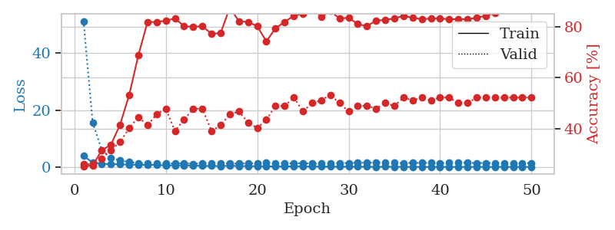
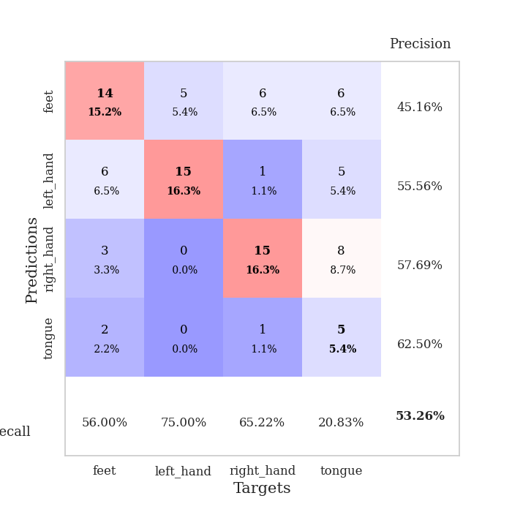
train_loss | valid_loss | train_accuracy | valid_accuracy | dur | train_misclass | valid_misclass
4.0031383867 | 51.139930891 | 0.2527173913 | 0.26086956522 | 0.084720849991 | 25.27173913 | 26.086956522
1.7219680807 | 15.706647831 | 0.25543478261 | 0.26086956522 | 0.080034971237 | 25.543478261 | 26.086956522
1.2616206796 | 6.0998443106 | 0.3152173913 | 0.28260869565 | 0.079754590988 | 31.52173913 | 28.260869565
1.1623347298 | 3.3173021648 | 0.33695652174 | 0.3152173913 | 0.080361366272 | 33.695652174 | 31.52173913
1.0953403996 | 2.3939519602 | 0.41576086957 | 0.34782608696 | 0.079936027527 | 41.576086957 | 34.782608696
0.97043438321 | 1.8883715713 | 0.53260869565 | 0.40217391304 | 0.079972743988 | 53.260869565 | 40.217391304
0.90867184556 | 1.5355622665 | 0.6875 | 0.44565217391 | 0.079829931259 | 68.75 | 44.565217391
0.89129804787 | 1.3407557322 | 0.81793478261 | 0.41304347826 | 0.080542564392 | 81.793478261 | 41.304347826
0.85413375626 | 1.3265644986 | 0.81793478261 | 0.45652173913 | 0.079793691635 | 81.793478261 | 45.652173913
0.69258889945 | 1.3867350713 | 0.82336956522 | 0.47826086957 | 0.079946756363 | 82.336956522 | 47.826086957
0.7089193269 | 1.3755133307 | 0.83152173913 | 0.39130434783 | 0.079724311829 | 83.152173913 | 39.130434783
0.69837719072 | 1.4372152246 | 0.80163043478 | 0.4347826087 | 0.079833269119 | 80.163043478 | 43.47826087
0.63148910714 | 1.2983850189 | 0.79891304348 | 0.47826086957 | 0.079632997513 | 79.891304348 | 47.826086957
0.54125099467 | 1.3833965581 | 0.80163043478 | 0.47826086957 | 0.079782009125 | 80.163043478 | 47.826086957
0.50074789705 | 1.5351743128 | 0.77173913043 | 0.39130434783 | 0.079922914505 | 77.173913043 | 39.130434783
0.48378229983 | 1.4966170995 | 0.77445652174 | 0.41304347826 | 0.079885005951 | 77.445652174 | 41.304347826
0.57709117039 | 1.3562950362 | 0.875 | 0.45652173913 | 0.079697847366 | 87.5 | 45.652173913
0.49050166814 | 1.3101352816 | 0.82065217391 | 0.46739130435 | 0.079883575439 | 82.065217391 | 46.739130435
0.4588804705 | 1.4215527773 | 0.81793478261 | 0.42391304348 | 0.079823732376 | 81.793478261 | 42.391304348
0.43401595173 | 1.4676233375 | 0.80163043478 | 0.40217391304 | 0.07972240448 | 80.163043478 | 40.217391304
0.36189883494 | 1.7488328374 | 0.74184782609 | 0.4347826087 | 0.079801797867 | 74.184782609 | 43.47826087
0.34978212222 | 1.5415210828 | 0.79347826087 | 0.48913043478 | 0.079728126526 | 79.347826087 | 48.913043478
0.31642371934 | 1.5042345627 | 0.81793478261 | 0.48913043478 | 0.08002781868 | 81.793478261 | 48.913043478
0.39710884898 | 1.3964082625 | 0.84239130435 | 0.52173913043 | 0.079576015472 | 84.239130435 | 52.173913043
0.33553928914 | 1.4769598505 | 0.85054347826 | 0.46739130435 | 0.079871892929 | 85.054347826 | 46.739130435
0.300788801 | 1.3239528615 | 0.88043478261 | 0.5 | 0.07987165451 | 88.043478261 | 50
0.29399307202 | 1.4222724334 | 0.83695652174 | 0.51086956522 | 0.080027103424 | 83.695652174 | 51.086956522
0.25654452294 | 1.3826948508 | 0.86141304348 | 0.53260869565 | 0.079699993134 | 86.141304348 | 53.260869565
0.24376705969 | 1.5656801203 | 0.83152173913 | 0.5 | 0.080078601837 | 83.152173913 | 50
0.25972140386 | 1.5367582881 | 0.83423913043 | 0.46739130435 | 0.079879999161 | 83.423913043 | 46.739130435
0.23460010682 | 1.6044812306 | 0.8097826087 | 0.48913043478 | 0.079669237137 | 80.97826087 | 48.913043478
0.24348954532 | 1.6595186151 | 0.80163043478 | 0.48913043478 | 0.079974889755 | 80.163043478 | 48.913043478
0.18852024671 | 1.6329059704 | 0.82336956522 | 0.47826086957 | 0.079904556274 | 82.336956522 | 47.826086957
0.24538227786 | 1.5740744238 | 0.82608695652 | 0.5 | 0.079774141312 | 82.608695652 | 50
0.22594709565 | 1.5720546868 | 0.83152173913 | 0.48913043478 | 0.079537630081 | 83.152173913 | 48.913043478
0.20699657824 | 1.510904903 | 0.84239130435 | 0.52173913043 | 0.079797506332 | 84.239130435 | 52.173913043
0.18017039448 | 1.5665840999 | 0.83423913043 | 0.51086956522 | 0.079717159271 | 83.423913043 | 51.086956522
0.16617754264 | 1.5801623282 | 0.82880434783 | 0.52173913043 | 0.07979631424 | 82.880434783 | 52.173913043
0.1688344741 | 1.5936499264 | 0.83152173913 | 0.51086956522 | 0.079607248306 | 83.152173913 | 51.086956522
0.20274643114 | 1.5483001626 | 0.83152173913 | 0.52173913043 | 0.079617500305 | 83.152173913 | 52.173913043
0.16733640967 | 1.585253643 | 0.82880434783 | 0.52173913043 | 0.079595804214 | 82.880434783 | 52.173913043
0.17204449642 | 1.5986738516 | 0.82880434783 | 0.5 | 0.079866170883 | 82.880434783 | 50
0.17470411568 | 1.603538451 | 0.82880434783 | 0.5 | 0.079617500305 | 82.880434783 | 50
0.20918708181 | 1.5651317161 | 0.83423913043 | 0.52173913043 | 0.079674720764 | 83.423913043 | 52.173913043
0.195084302 | 1.5538871496 | 0.84239130435 | 0.52173913043 | 0.079845905304 | 84.239130435 | 52.173913043
0.16270439715 | 1.5332547582 | 0.85326086957 | 0.52173913043 | 0.079731225967 | 85.326086957 | 52.173913043
0.22317505822 | 1.5204681521 | 0.86413043478 | 0.52173913043 | 0.080060720444 | 86.413043478 | 52.173913043
0.17402078916 | 1.5104357678 | 0.86684782609 | 0.52173913043 | 0.079735279083 | 86.684782609 | 52.173913043
0.1841371487 | 1.5023520304 | 0.86684782609 | 0.52173913043 | 0.080017328262 | 86.684782609 | 52.173913043
0.17127220681 | 1.4954741934 | 0.86956521739 | 0.52173913043 | 0.0796687603 | 86.956521739 | 52.173913043

Best Val accuracy is 0.532608695652174 and Best test accuracy is 0.5862068965517241

Sheet9
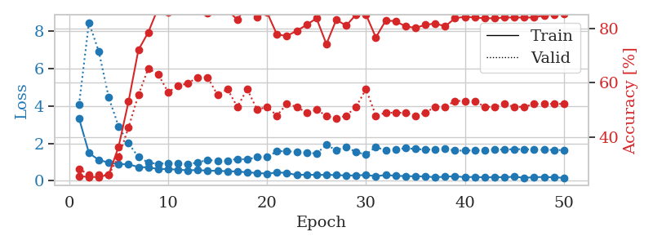
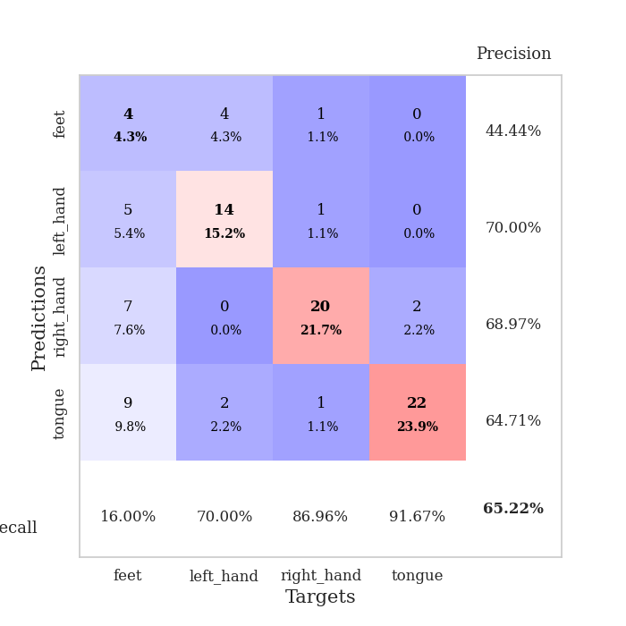
train_loss | valid_loss | train_accuracy | valid_accuracy | dur | train_misclass | valid_misclass
3.3456359946 | 4.0758066488 | 0.25543478261 | 0.28260869565 | 0.082512140274 | 25.543478261 | 28.260869565
1.4925533378 | 8.4740923177 | 0.2527173913 | 0.26086956522 | 0.079994440079 | 25.27173913 | 26.086956522
1.1159457513 | 6.918585798 | 0.2527173913 | 0.26086956522 | 0.079660892487 | 25.27173913 | 26.086956522
0.98007189709 | 4.4643222145 | 0.26086956522 | 0.26086956522 | 0.079617738724 | 26.086956522 | 26.086956522
0.8893664557 | 2.908572539 | 0.36413043478 | 0.32608695652 | 0.082257032394 | 36.413043478 | 32.608695652
0.89105548548 | 2.0083152315 | 0.52989130435 | 0.4347826087 | 0.083334684372 | 52.989130435 | 43.47826087
0.73710709162 | 1.2723435319 | 0.72010869565 | 0.55434782609 | 0.079630851746 | 72.010869565 | 55.434782609
0.71985076562 | 0.98110991716 | 0.78532608696 | 0.65217391304 | 0.079931497574 | 78.532608696 | 65.217391304
0.63837166325 | 0.90245259586 | 0.875 | 0.63043478261 | 0.079792737961 | 87.5 | 63.043478261
0.63015877812 | 0.95620539137 | 0.85869565217 | 0.5652173913 | 0.079981327057 | 85.869565217 | 56.52173913
0.59777227044 | 0.92106133959 | 0.8777173913 | 0.58695652174 | 0.079585313797 | 87.77173913 | 58.695652174
0.56287393103 | 0.87936197156 | 0.88858695652 | 0.59782608696 | 0.079750061035 | 88.858695652 | 59.782608696
0.5798803853 | 0.98985609283 | 0.88315217391 | 0.61956521739 | 0.07972574234 | 88.315217391 | 61.956521739
0.54053136577 | 1.1115667457 | 0.85597826087 | 0.61956521739 | 0.079706192017 | 85.597826087 | 61.956521739
0.5392949458 | 1.0806305875 | 0.8777173913 | 0.55434782609 | 0.079592704773 | 87.77173913 | 55.434782609
0.5123044071 | 1.0801432133 | 0.86684782609 | 0.57608695652 | 0.079371929169 | 86.684782609 | 57.608695652
0.50576337006 | 1.1752444713 | 0.83152173913 | 0.51086956522 | 0.079590797424 | 83.152173913 | 51.086956522
0.4530865861 | 1.1447056687 | 0.88586956522 | 0.57608695652 | 0.084714651108 | 88.586956522 | 57.608695652
0.42378778367 | 1.2803389145 | 0.84239130435 | 0.5 | 0.081379652023 | 84.239130435 | 50
0.38280557679 | 1.2796988746 | 0.85869565217 | 0.51086956522 | 0.081057786942 | 85.869565217 | 51.086956522
0.45017876249 | 1.5741848635 | 0.77717391304 | 0.47826086957 | 0.081424713135 | 77.717391304 | 47.826086957
0.42679467862 | 1.6001544206 | 0.77173913043 | 0.52173913043 | 0.081166267395 | 77.173913043 | 52.173913043
0.30778283075 | 1.5354857393 | 0.79076086957 | 0.51086956522 | 0.081421136856 | 79.076086957 | 51.086956522
0.33872441559 | 1.5116557557 | 0.8125 | 0.48913043478 | 0.081079959869 | 81.25 | 48.913043478
0.31498538282 | 1.4637906655 | 0.83695652174 | 0.5 | 0.08109331131 | 83.695652174 | 50
0.32560673615 | 1.9256111643 | 0.74184782609 | 0.47826086957 | 0.081429958344 | 74.184782609 | 47.826086957
0.30651878954 | 1.6432895142 | 0.83152173913 | 0.46739130435 | 0.081180810928 | 83.152173913 | 46.739130435
0.28916303878 | 1.8068719947 | 0.8097826087 | 0.47826086957 | 0.081221342087 | 80.97826087 | 47.826086957
0.28679905119 | 1.5433416937 | 0.85054347826 | 0.51086956522 | 0.083827018738 | 85.054347826 | 51.086956522
0.31857485195 | 1.4077035292 | 0.85054347826 | 0.57608695652 | 0.084694623947 | 85.054347826 | 57.608695652
0.24407877773 | 1.8183713167 | 0.76630434783 | 0.47826086957 | 0.086576938629 | 76.630434783 | 47.826086957
0.31699843122 | 1.6198077254 | 0.82880434783 | 0.48913043478 | 0.081046104431 | 82.880434783 | 48.913043478
0.26838833742 | 1.6809947283 | 0.82608695652 | 0.48913043478 | 0.081073999405 | 82.608695652 | 48.913043478
0.25447598456 | 1.7486878374 | 0.80706521739 | 0.48913043478 | 0.081120967865 | 80.706521739 | 48.913043478
0.24191298498 | 1.7046453434 | 0.80163043478 | 0.47826086957 | 0.081280469894 | 80.163043478 | 47.826086957
0.23994029443 | 1.6695251154 | 0.8125 | 0.48913043478 | 0.081189393997 | 81.25 | 48.913043478
0.18995496274 | 1.6813339876 | 0.81793478261 | 0.51086956522 | 0.081377983093 | 81.793478261 | 51.086956522
0.22541833475 | 1.7385831501 | 0.80706521739 | 0.51086956522 | 0.081003665924 | 80.706521739 | 51.086956522
0.2446077398 | 1.6146065152 | 0.83695652174 | 0.53260869565 | 0.081104516983 | 83.695652174 | 53.260869565
0.19468177466 | 1.6204097582 | 0.84239130435 | 0.53260869565 | 0.081353187561 | 84.239130435 | 53.260869565
0.21273006969 | 1.6333040984 | 0.83967391304 | 0.53260869565 | 0.081344604492 | 83.967391304 | 53.260869565
0.18560332538 | 1.6490593268 | 0.83695652174 | 0.51086956522 | 0.081044197083 | 83.695652174 | 51.086956522
0.19907873172 | 1.686230504 | 0.83695652174 | 0.51086956522 | 0.081163883209 | 83.695652174 | 51.086956522
0.19371417732 | 1.6718171057 | 0.83967391304 | 0.52173913043 | 0.081248044968 | 83.967391304 | 52.173913043
0.22156562591 | 1.7002805109 | 0.83967391304 | 0.51086956522 | 0.081653118134 | 83.967391304 | 51.086956522
0.16525031723 | 1.6894747589 | 0.83967391304 | 0.51086956522 | 0.080953836441 | 83.967391304 | 51.086956522
0.19526902602 | 1.6784219845 | 0.83967391304 | 0.52173913043 | 0.081116914749 | 83.967391304 | 52.173913043
0.20851786516 | 1.6665185638 | 0.84782608696 | 0.52173913043 | 0.081044435501 | 84.782608696 | 52.173913043
0.18974191922 | 1.6544928654 | 0.85054347826 | 0.52173913043 | 0.081284284592 | 85.054347826 | 52.173913043
0.16220468461 | 1.6451619397 | 0.85326086957 | 0.52173913043 | 0.081301212311 | 85.326086957 | 52.173913043

Best Val accuracy is 0.6521739130434783 and Best test accuracy is 0.5862068965517241

Sheet10
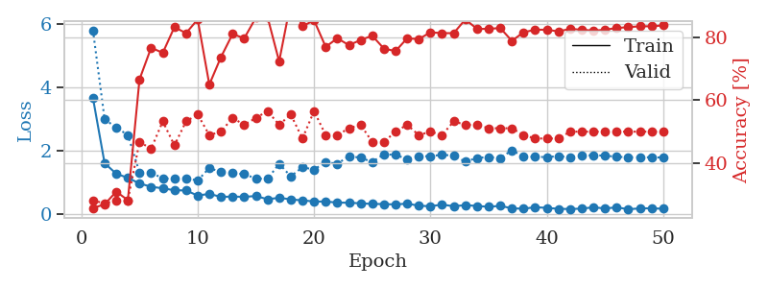
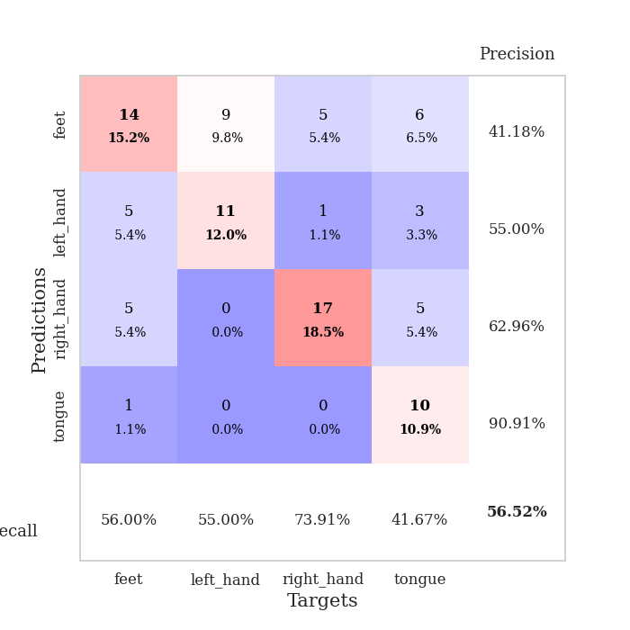
train_loss | valid_loss | train_accuracy | valid_accuracy | dur | train_misclass | valid_misclass
3.6623696814 | 5.7930138007 | 0.25815217391 | 0.28260869565 | 0.082839250565 | 25.815217391 | 28.260869565
1.6065243172 | 2.9959129562 | 0.26902173913 | 0.27173913043 | 0.080734491348 | 26.902173913 | 27.173913043
1.2753379319 | 2.7237498657 | 0.3097826087 | 0.28260869565 | 0.080936908722 | 30.97826087 | 28.260869565
1.1448694208 | 2.496466419 | 0.28260869565 | 0.28260869565 | 0.081066608429 | 28.260869565 | 28.260869565
0.96809824524 | 1.3175797722 | 0.66576086957 | 0.46739130435 | 0.080809354782 | 66.576086957 | 46.739130435
0.86374827442 | 1.3171978152 | 0.76630434783 | 0.44565217391 | 0.080989122391 | 76.630434783 | 44.565217391
0.81552384729 | 1.1195015363 | 0.75 | 0.53260869565 | 0.080765485764 | 75 | 53.260869565
0.75405495841 | 1.1304480408 | 0.83152173913 | 0.45652173913 | 0.080924272537 | 83.152173913 | 45.652173913
0.7482275924 | 1.1333451245 | 0.8125 | 0.53260869565 | 0.080973625183 | 81.25 | 53.260869565
0.58615197306 | 1.0587955454 | 0.85597826087 | 0.55434782609 | 0.080888271332 | 85.597826087 | 55.434782609
0.64086336286 | 1.4578601329 | 0.64945652174 | 0.48913043478 | 0.083312988281 | 64.945652174 | 48.913043478
0.54451799134 | 1.3257347838 | 0.73641304348 | 0.5 | 0.080911159515 | 73.641304348 | 50
0.55635816118 | 1.295242719 | 0.8097826087 | 0.54347826087 | 0.080838680267 | 80.97826087 | 54.347826087
0.54570705735 | 1.2593306251 | 0.79619565217 | 0.52173913043 | 0.08079957962 | 79.619565217 | 52.173913043
0.57322054454 | 1.1260597188 | 0.86141304348 | 0.54347826087 | 0.080621004105 | 86.141304348 | 54.347826087
0.47056806152 | 1.1101498733 | 0.86413043478 | 0.5652173913 | 0.08075094223 | 86.413043478 | 56.52173913
0.51697870117 | 1.5884341416 | 0.72282608696 | 0.52173913043 | 0.081022977829 | 72.282608696 | 52.173913043
0.46723488492 | 1.1920611444 | 0.91032608696 | 0.55434782609 | 0.080901622772 | 91.032608696 | 55.434782609
0.43355941384 | 1.4780929244 | 0.83423913043 | 0.47826086957 | 0.083049297333 | 83.423913043 | 47.826086957
0.40274684196 | 1.4074758706 | 0.85326086957 | 0.5652173913 | 0.080870389938 | 85.326086957 | 56.52173913
0.39691529131 | 1.6378265671 | 0.76902173913 | 0.48913043478 | 0.080901622772 | 76.902173913 | 48.913043478
0.36728190598 | 1.5876462149 | 0.79619565217 | 0.48913043478 | 0.080809593201 | 79.619565217 | 48.913043478
0.35979040129 | 1.8296832624 | 0.77445652174 | 0.51086956522 | 0.08080124855 | 77.445652174 | 51.086956522
0.34363859989 | 1.7776781217 | 0.79076086957 | 0.52173913043 | 0.080694198608 | 79.076086957 | 52.173913043
0.32247985381 | 1.6454737705 | 0.80434782609 | 0.46739130435 | 0.080722570419 | 80.434782609 | 46.739130435
0.3200294897 | 1.8855211787 | 0.76358695652 | 0.46739130435 | 0.080807209015 | 76.358695652 | 46.739130435
0.30603958909 | 1.8731302593 | 0.75543478261 | 0.5 | 0.080847501755 | 75.543478261 | 50
0.3343959454 | 1.7287898012 | 0.79619565217 | 0.52173913043 | 0.080691576004 | 79.619565217 | 52.173913043
0.26648715317 | 1.8323130348 | 0.79347826087 | 0.48913043478 | 0.080603122711 | 79.347826087 | 48.913043478
0.25125097597 | 1.8223069906 | 0.8152173913 | 0.5 | 0.080748796463 | 81.52173913 | 50
0.30203044188 | 1.8780905578 | 0.8125 | 0.48913043478 | 0.080843687057 | 81.25 | 48.913043478
0.25053805955 | 1.836810366 | 0.8125 | 0.53260869565 | 0.080914020538 | 81.25 | 53.260869565
0.28508137167 | 1.6545623385 | 0.85597826087 | 0.52173913043 | 0.080622673035 | 85.597826087 | 52.173913043
0.26027075039 | 1.7719458912 | 0.82608695652 | 0.52173913043 | 0.08073759079 | 82.608695652 | 52.173913043
0.23252214848 | 1.7999135774 | 0.82608695652 | 0.51086956522 | 0.080675840378 | 82.608695652 | 51.086956522
0.26344200199 | 1.770444984 | 0.82880434783 | 0.51086956522 | 0.080697536469 | 82.880434783 | 51.086956522
0.18391632985 | 2.0110393192 | 0.78804347826 | 0.51086956522 | 0.081008434296 | 78.804347826 | 51.086956522
0.17331791183 | 1.8179482429 | 0.8152173913 | 0.48913043478 | 0.080852031708 | 81.52173913 | 48.913043478
0.21978049482 | 1.8034604477 | 0.82336956522 | 0.47826086957 | 0.080886363983 | 82.336956522 | 47.826086957
0.1996375988 | 1.8017428906 | 0.82336956522 | 0.47826086957 | 0.080806732178 | 82.336956522 | 47.826086957
0.16872685297 | 1.8259265112 | 0.81793478261 | 0.47826086957 | 0.081234693527 | 81.793478261 | 47.826086957
0.16435060796 | 1.8002904135 | 0.82608695652 | 0.5 | 0.081176042557 | 82.608695652 | 50
0.17472421054 | 1.8461026938 | 0.82336956522 | 0.5 | 0.080879449844 | 82.336956522 | 50
0.21745465178 | 1.8570818538 | 0.82065217391 | 0.5 | 0.081032276154 | 82.065217391 | 50
0.18115862443 | 1.8457883182 | 0.82336956522 | 0.5 | 0.080744028091 | 82.336956522 | 50
0.214984815 | 1.8084838079 | 0.82880434783 | 0.5 | 0.080778121948 | 82.880434783 | 50
0.15681009108 | 1.793694123 | 0.83152173913 | 0.5 | 0.080930709839 | 83.152173913 | 50
0.18205769716 | 1.7946461128 | 0.83423913043 | 0.5 | 0.080644607544 | 83.423913043 | 50
0.18625101609 | 1.7907429363 | 0.83423913043 | 0.5 | 0.080943822861 | 83.423913043 | 50
0.17057170751 | 1.7859441975 | 0.83695652174 | 0.5 | 0.080945730209 | 83.695652174 | 50

Best Val accuracy is 0.5652173913043478 and Best test accuracy is 0.5517241379310345

