Sheet
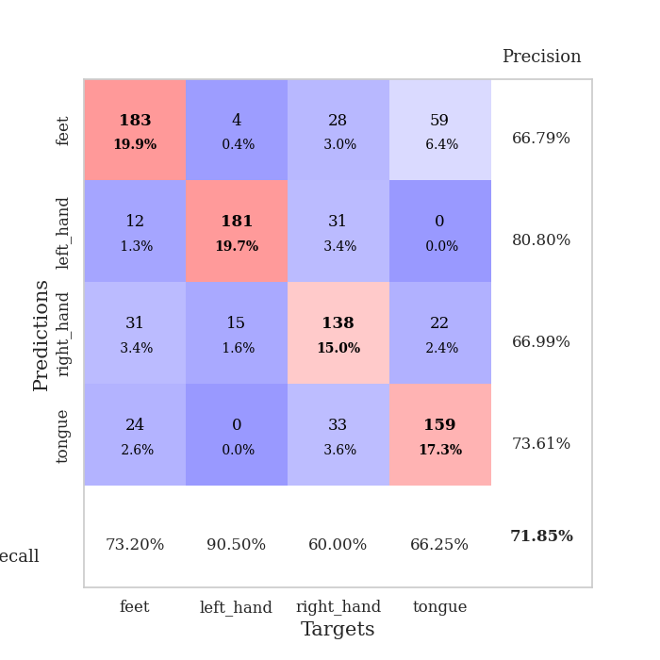
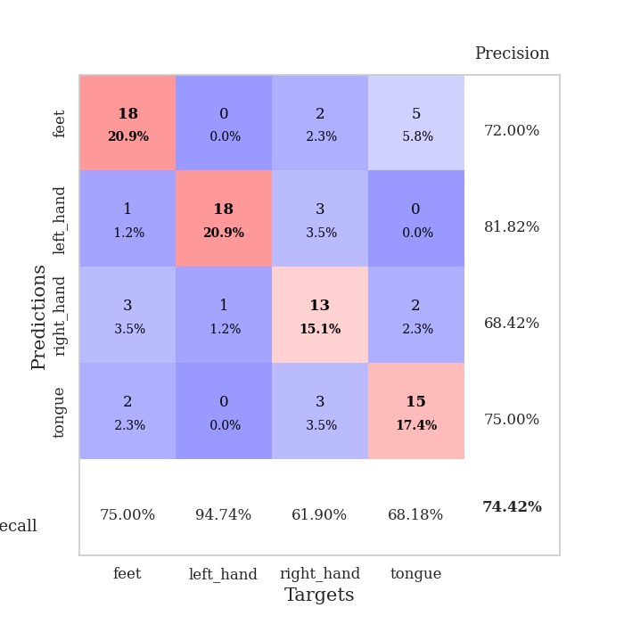
best_val_acc | best_val_los | best_test_acc
0.79347826087 | 0.75752817807 | 0.71551724138
0.6847826087 | 0.86437338331 | 0.5775862069
0.73913043478 | 0.79190364091 | 0.65517241379
0.6847826087 | 0.94480891591 | 0.58620689655
0.73913043478 | 0.84595097148 | 0.69827586207
0.70652173913 | 0.85191000545 | 0.62068965517
0.69565217391 | 1.0649234834 | 0.5775862069
0.72826086957 | 0.72279590109 | 0.65517241379
0.75 | 0.91966226308 | 0.65517241379
0.66304347826 | 1.1818049213 | 0.60344827586

Mean,std Val accuracy is 0.7184782608695651 , 0.038837470132932206 and mean, std test accuracy is 0.6344827586206897 , 0.04930485192994764

Sheet1
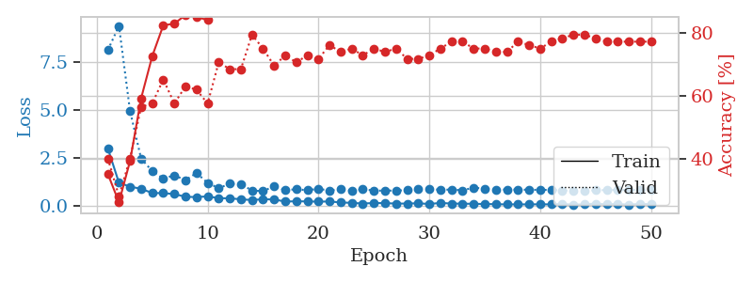
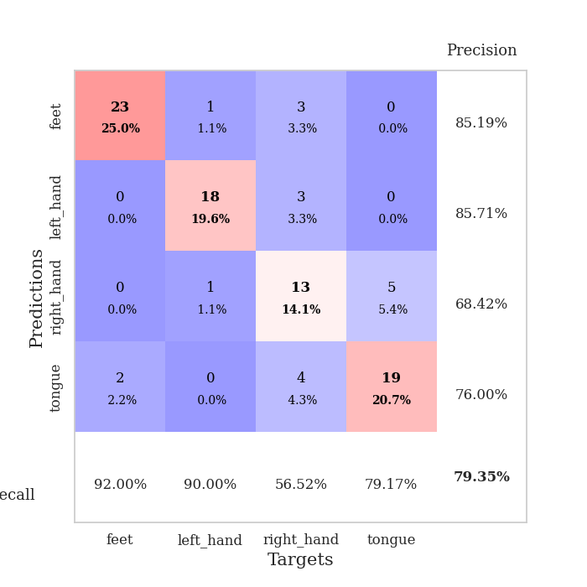
train_loss | valid_loss | train_accuracy | valid_accuracy | dur | train_misclass | valid_misclass
2.99441406 | 8.1303753231 | 0.35326086957 | 0.40217391304 | 0.082716941833 | 35.326086957 | 40.217391304
1.2007762233 | 9.4001043983 | 0.26358695652 | 0.28260869565 | 0.080726861954 | 26.358695652 | 28.260869565
0.99981874487 | 4.9474901531 | 0.39402173913 | 0.40217391304 | 0.080788850784 | 39.402173913 | 40.217391304
0.88582678463 | 2.465105658 | 0.59239130435 | 0.5652173913 | 0.080781459808 | 59.239130435 | 56.52173913
0.66633256492 | 1.8114454383 | 0.72554347826 | 0.57608695652 | 0.080816984177 | 72.554347826 | 57.608695652
0.65786165129 | 1.4246112108 | 0.82336956522 | 0.65217391304 | 0.08425784111 | 82.336956522 | 65.217391304
0.61197788949 | 1.5883736248 | 0.82880434783 | 0.57608695652 | 0.080317020416 | 82.880434783 | 57.608695652
0.46878926067 | 1.3413538207 | 0.85597826087 | 0.63043478261 | 0.079293727875 | 85.597826087 | 63.043478261
0.45236778 | 1.7091788935 | 0.85054347826 | 0.61956521739 | 0.079627990723 | 85.054347826 | 61.956521739
0.49098798082 | 1.1945400497 | 0.83967391304 | 0.57608695652 | 0.079704046249 | 83.967391304 | 57.608695652
0.39572266263 | 0.92088562509 | 0.93206521739 | 0.70652173913 | 0.080292463303 | 93.206521739 | 70.652173913
0.38781856648 | 1.1493372503 | 0.89945652174 | 0.6847826087 | 0.080597400665 | 89.945652174 | 68.47826087
0.33760453534 | 1.1232662616 | 0.89402173913 | 0.6847826087 | 0.080268621445 | 89.402173913 | 68.47826087
0.29756775207 | 0.80134255212 | 0.9375 | 0.79347826087 | 0.080005645752 | 93.75 | 79.347826087
0.34241980023 | 0.75752817807 | 0.91847826087 | 0.75 | 0.080150604248 | 91.847826087 | 75
0.32707538359 | 1.0300398028 | 0.97826086957 | 0.69565217391 | 0.080070018768 | 97.826086957 | 69.565217391
0.21941289565 | 0.81195146105 | 0.97010869565 | 0.72826086957 | 0.07990193367 | 97.010869565 | 72.826086957
0.23325155449 | 0.8632634619 | 0.95108695652 | 0.70652173913 | 0.079869031906 | 95.108695652 | 70.652173913
0.22497758107 | 0.8102265713 | 0.95923913043 | 0.72826086957 | 0.080013751984 | 95.923913043 | 72.826086957
0.21495423871 | 0.88450144685 | 0.90760869565 | 0.71739130435 | 0.080361604691 | 90.760869565 | 71.739130435
0.22281574085 | 0.79392232066 | 0.94293478261 | 0.76086956522 | 0.080122232437 | 94.293478261 | 76.086956522
0.17266563391 | 0.86818647514 | 0.95652173913 | 0.73913043478 | 0.080147266388 | 95.652173913 | 73.913043478
0.15022692052 | 0.78663912286 | 0.92934782609 | 0.75 | 0.079842090607 | 92.934782609 | 75
0.11514539231 | 0.86100506783 | 0.96467391304 | 0.72826086957 | 0.082738876343 | 96.467391304 | 72.826086957
0.14300625067 | 0.79399090422 | 0.94293478261 | 0.75 | 0.07959318161 | 94.293478261 | 75
0.13548740368 | 0.78668399479 | 0.96739130435 | 0.73913043478 | 0.085059642792 | 96.739130435 | 73.913043478
0.11326482236 | 0.79845712755 | 0.94293478261 | 0.75 | 0.082905054092 | 94.293478261 | 75
0.11347327215 | 0.80503400642 | 0.96195652174 | 0.71739130435 | 0.080182552338 | 96.195652174 | 71.739130435
0.12941847175 | 0.86331079058 | 0.94836956522 | 0.71739130435 | 0.079916954041 | 94.836956522 | 71.739130435
0.090553453172 | 0.89125117271 | 0.9347826087 | 0.72826086957 | 0.079701423645 | 93.47826087 | 72.826086957
0.14789285677 | 0.82449824784 | 0.92119565217 | 0.75 | 0.085083961487 | 92.119565217 | 75
0.11330062362 | 0.84955326889 | 0.9402173913 | 0.77173913043 | 0.081462144852 | 94.02173913 | 77.173913043
0.10840605054 | 0.80403186446 | 0.94293478261 | 0.77173913043 | 0.081183195114 | 94.293478261 | 77.173913043
0.10066500739 | 0.94670872844 | 0.95652173913 | 0.75 | 0.081191778183 | 95.652173913 | 75
0.090894503235 | 0.89154073726 | 0.97010869565 | 0.75 | 0.081018209457 | 97.010869565 | 75
0.081726720192 | 0.8130977711 | 0.95923913043 | 0.73913043478 | 0.081485033035 | 95.923913043 | 73.913043478
0.069053459062 | 0.85315958054 | 0.95923913043 | 0.73913043478 | 0.081280231476 | 95.923913043 | 73.913043478
0.073286359401 | 0.83560960837 | 0.97554347826 | 0.77173913043 | 0.08109998703 | 97.554347826 | 77.173913043
0.069656738283 | 0.8385409959 | 0.96467391304 | 0.76086956522 | 0.081068277359 | 96.467391304 | 76.086956522
0.077532192976 | 0.82827911558 | 0.96739130435 | 0.75 | 0.081171512604 | 96.739130435 | 75
0.069297832781 | 0.83032409523 | 0.96467391304 | 0.77173913043 | 0.081078052521 | 96.467391304 | 77.173913043
0.089089216948 | 0.80119769081 | 0.97282608696 | 0.78260869565 | 0.081062793732 | 97.282608696 | 78.260869565
0.058052323171 | 0.79438106133 | 0.97554347826 | 0.79347826087 | 0.08146905899 | 97.554347826 | 79.347826087
0.07166462586 | 0.80057376105 | 0.97554347826 | 0.79347826087 | 0.081879138947 | 97.554347826 | 79.347826087
0.11515973116 | 0.80634852466 | 0.97282608696 | 0.78260869565 | 0.081850528717 | 97.282608696 | 78.260869565
0.069062107648 | 0.8191933917 | 0.97826086957 | 0.77173913043 | 0.081015586853 | 97.826086957 | 77.173913043
0.094752417189 | 0.82343320872 | 0.97826086957 | 0.77173913043 | 0.081161499023 | 97.826086957 | 77.173913043
0.055856551449 | 0.8256206655 | 0.97826086957 | 0.77173913043 | 0.08126950264 | 97.826086957 | 77.173913043
0.098499992295 | 0.82655587663 | 0.98097826087 | 0.77173913043 | 0.081192970276 | 98.097826087 | 77.173913043
0.075708216259 | 0.82723797923 | 0.98097826087 | 0.77173913043 | 0.080928564072 | 98.097826087 | 77.173913043

Best Val accuracy is 0.7934782608695652 and Best test accuracy is 0.7155172413793104

Sheet2
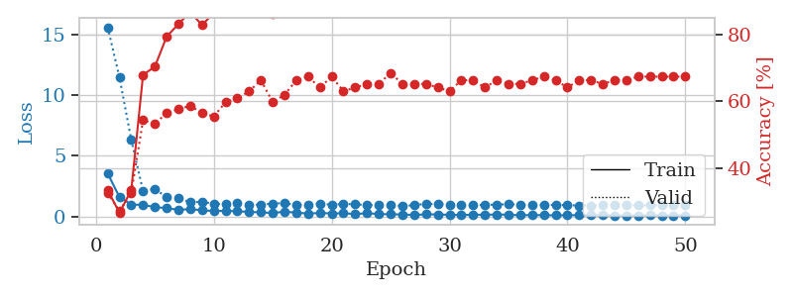
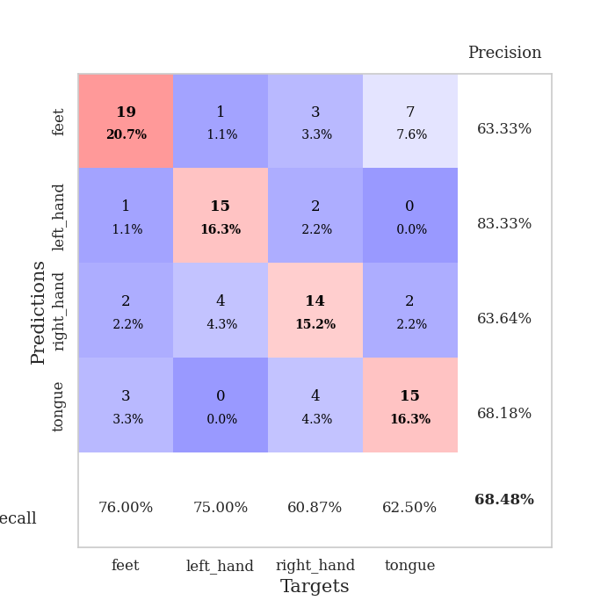
train_loss | valid_loss | train_accuracy | valid_accuracy | dur | train_misclass | valid_misclass
3.5549259393 | 15.581557979 | 0.33423913043 | 0.32608695652 | 0.081526279449 | 33.423913043 | 32.608695652
1.6053109428 | 11.449950882 | 0.26630434783 | 0.27173913043 | 0.080065488815 | 26.630434783 | 27.173913043
1.0015064322 | 6.3246131358 | 0.33423913043 | 0.32608695652 | 0.079865217209 | 33.423913043 | 32.608695652
0.96078885638 | 2.1017522708 | 0.67934782609 | 0.54347826087 | 0.080145597458 | 67.934782609 | 54.347826087
0.78551948848 | 2.2743040271 | 0.70380434783 | 0.53260869565 | 0.080358028412 | 70.380434783 | 53.260869565
0.69874044216 | 1.6008800061 | 0.79347826087 | 0.5652173913 | 0.080045461655 | 79.347826087 | 56.52173913
0.56485279617 | 1.4976383085 | 0.83152173913 | 0.57608695652 | 0.080151557922 | 83.152173913 | 57.608695652
0.61551255376 | 1.1840515603 | 0.86684782609 | 0.58695652174 | 0.080125808716 | 86.684782609 | 58.695652174
0.52775786558 | 1.2171269241 | 0.82880434783 | 0.5652173913 | 0.080310344696 | 82.880434783 | 56.52173913
0.46457760684 | 1.0640558056 | 0.86413043478 | 0.55434782609 | 0.081197023392 | 86.413043478 | 55.434782609
0.47369363386 | 1.0183471649 | 0.92119565217 | 0.59782608696 | 0.081896781921 | 92.119565217 | 59.782608696
0.45360400301 | 1.1083632448 | 0.89130434783 | 0.60869565217 | 0.081634521484 | 89.130434783 | 60.869565217
0.37909836095 | 0.9575660436 | 0.9375 | 0.63043478261 | 0.081393003464 | 93.75 | 63.043478261
0.36293196419 | 0.99155653041 | 0.90760869565 | 0.66304347826 | 0.081346035004 | 90.760869565 | 66.304347826
0.29186423252 | 1.0679087432 | 0.86141304348 | 0.59782608696 | 0.081254959106 | 86.141304348 | 59.782608696
0.41701166364 | 1.1248015062 | 0.9402173913 | 0.61956521739 | 0.080753564835 | 94.02173913 | 61.956521739
0.32333326793 | 0.9465909367 | 0.92934782609 | 0.66304347826 | 0.080877304077 | 92.934782609 | 66.304347826
0.25820877111 | 0.99182842089 | 0.93206521739 | 0.67391304348 | 0.080888032913 | 93.206521739 | 67.391304348
0.30020599164 | 1.0649736912 | 0.97554347826 | 0.64130434783 | 0.080973625183 | 97.554347826 | 64.130434783
0.26493129296 | 0.98274500474 | 0.96739130435 | 0.67391304348 | 0.085323572159 | 96.739130435 | 67.391304348
0.28349314808 | 1.042822589 | 0.95923913043 | 0.63043478261 | 0.084812879562 | 95.923913043 | 63.043478261
0.21106840929 | 1.019043316 | 0.95652173913 | 0.64130434783 | 0.085590839386 | 95.652173913 | 64.130434783
0.28889173431 | 0.94412507182 | 0.97282608696 | 0.65217391304 | 0.079533815384 | 97.282608696 | 65.217391304
0.21146277014 | 0.94172362659 | 0.97554347826 | 0.65217391304 | 0.079590082169 | 97.554347826 | 65.217391304
0.19514437619 | 0.98661851365 | 0.97010869565 | 0.6847826087 | 0.079410791397 | 97.010869565 | 68.47826087
0.17736044785 | 0.86437338331 | 0.95380434783 | 0.65217391304 | 0.079448699951 | 95.380434783 | 65.217391304
0.13822893944 | 0.95004626461 | 0.95380434783 | 0.65217391304 | 0.079450130463 | 95.380434783 | 65.217391304
0.1921773872 | 1.0491155179 | 0.96195652174 | 0.65217391304 | 0.079141139984 | 96.195652174 | 65.217391304
0.18199061732 | 1.0348012966 | 0.97010869565 | 0.64130434783 | 0.079383134842 | 97.010869565 | 64.130434783
0.14754598758 | 1.0016765854 | 0.97282608696 | 0.63043478261 | 0.079287290573 | 97.282608696 | 63.043478261
0.14036909369 | 1.0019822483 | 0.97282608696 | 0.66304347826 | 0.079368829727 | 97.282608696 | 66.304347826
0.1538492429 | 0.94474043535 | 0.98369565217 | 0.66304347826 | 0.085075378418 | 98.369565217 | 66.304347826
0.16019083155 | 0.96588781087 | 0.98369565217 | 0.64130434783 | 0.085003852844 | 98.369565217 | 64.130434783
0.17141437482 | 0.99249505997 | 0.97826086957 | 0.66304347826 | 0.090289592743 | 97.826086957 | 66.304347826
0.1644474417 | 1.0227954232 | 0.98369565217 | 0.65217391304 | 0.079844713211 | 98.369565217 | 65.217391304
0.10909235567 | 0.99023817415 | 0.98913043478 | 0.65217391304 | 0.079819440842 | 98.913043478 | 65.217391304
0.13585898944 | 0.98591333369 | 0.99456521739 | 0.66304347826 | 0.079831838608 | 99.456521739 | 66.304347826
0.11947891602 | 0.96821768388 | 0.99184782609 | 0.67391304348 | 0.079808235168 | 99.184782609 | 67.391304348
0.11157692078 | 0.97024898944 | 0.99184782609 | 0.66304347826 | 0.080011844635 | 99.184782609 | 66.304347826
0.1143225595 | 0.94338904256 | 0.98641304348 | 0.64130434783 | 0.079803228378 | 98.641304348 | 64.130434783
0.12715927985 | 0.91734675221 | 0.98097826087 | 0.66304347826 | 0.079768419266 | 98.097826087 | 66.304347826
0.11539173219 | 0.92035689043 | 0.99184782609 | 0.66304347826 | 0.079964160919 | 99.184782609 | 66.304347826
0.12353462313 | 0.92961008652 | 0.99184782609 | 0.65217391304 | 0.079889535904 | 99.184782609 | 65.217391304
0.09545921348 | 0.937479496 | 0.98641304348 | 0.66304347826 | 0.079884290695 | 98.641304348 | 66.304347826
0.088784482168 | 0.93378720594 | 0.99184782609 | 0.66304347826 | 0.079827785492 | 99.184782609 | 66.304347826
0.092385008081 | 0.93452998348 | 0.98913043478 | 0.67391304348 | 0.080219507217 | 98.913043478 | 67.391304348
0.1138117741 | 0.93367126714 | 0.98913043478 | 0.67391304348 | 0.079871177673 | 98.913043478 | 67.391304348
0.10084825787 | 0.93331117215 | 0.98913043478 | 0.67391304348 | 0.079915046692 | 98.913043478 | 67.391304348
0.094317675933 | 0.93370554758 | 0.99184782609 | 0.67391304348 | 0.079913377762 | 99.184782609 | 67.391304348
0.10624026135 | 0.93368340575 | 0.99184782609 | 0.67391304348 | 0.079862594604 | 99.184782609 | 67.391304348

Best Val accuracy is 0.6847826086956522 and Best test accuracy is 0.5775862068965517

Sheet3
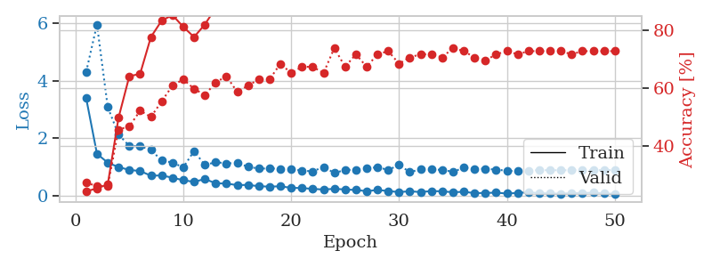
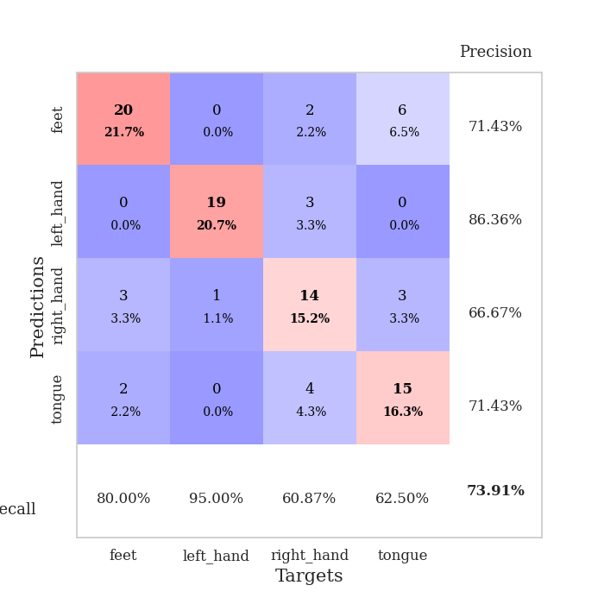
train_loss | valid_loss | train_accuracy | valid_accuracy | dur | train_misclass | valid_misclass
3.3962605311 | 4.3137102956 | 0.24184782609 | 0.27173913043 | 0.087170600891 | 24.184782609 | 27.173913043
1.4597349374 | 5.9662497977 | 0.2527173913 | 0.26086956522 | 0.090838432312 | 25.27173913 | 26.086956522
1.1480717063 | 3.0813215816 | 0.26630434783 | 0.26086956522 | 0.082072496414 | 26.630434783 | 26.086956522
0.99573150666 | 2.1293819054 | 0.4972826087 | 0.45652173913 | 0.082514286041 | 49.72826087 | 45.652173913
0.89562721097 | 1.7303895536 | 0.64130434783 | 0.46739130435 | 0.081945180893 | 64.130434783 | 46.739130435
0.85774233419 | 1.7199788353 | 0.64945652174 | 0.52173913043 | 0.085714578629 | 64.945652174 | 52.173913043
0.69488878354 | 1.5974922439 | 0.77717391304 | 0.5 | 0.082435131073 | 77.717391304 | 50
0.70349910726 | 1.2209321831 | 0.83423913043 | 0.55434782609 | 0.08230304718 | 83.423913043 | 55.434782609
0.62485712767 | 1.1538852868 | 0.85326086957 | 0.60869565217 | 0.082178354263 | 85.326086957 | 60.869565217
0.5370574464 | 0.98356820708 | 0.8125 | 0.63043478261 | 0.082610607147 | 81.25 | 63.043478261
0.4800045947 | 1.5546002803 | 0.77717391304 | 0.59782608696 | 0.082598686218 | 77.717391304 | 59.782608696
0.57961511223 | 1.0659082817 | 0.82065217391 | 0.57608695652 | 0.082431316376 | 82.065217391 | 57.608695652
0.43013142827 | 1.1658701638 | 0.8777173913 | 0.61956521739 | 0.082335233688 | 87.77173913 | 61.956521739
0.42005389151 | 1.1240909411 | 0.94836956522 | 0.64130434783 | 0.082758426666 | 94.836956522 | 64.130434783
0.36598073659 | 1.136713821 | 0.92934782609 | 0.58695652174 | 0.082714557648 | 92.934782609 | 58.695652174
0.37364970018 | 1.0072204859 | 0.91304347826 | 0.60869565217 | 0.082418203354 | 91.304347826 | 60.869565217
0.32817577862 | 0.9403203985 | 0.92119565217 | 0.63043478261 | 0.082362413406 | 92.119565217 | 63.043478261
0.3130371888 | 0.94932192305 | 0.90760869565 | 0.63043478261 | 0.082240581512 | 90.760869565 | 63.043478261
0.3257412891 | 0.93603730202 | 0.91304347826 | 0.6847826087 | 0.082862377167 | 91.304347826 | 68.47826087
0.27078037644 | 0.92009074273 | 0.96739130435 | 0.65217391304 | 0.082847595215 | 96.739130435 | 65.217391304
0.2646757996 | 0.87242381469 | 0.93206521739 | 0.67391304348 | 0.082850694656 | 93.206521739 | 67.391304348
0.23372281408 | 0.84570140424 | 0.9375 | 0.67391304348 | 0.082372426987 | 93.75 | 67.391304348
0.21377056432 | 1.0005397486 | 0.90760869565 | 0.65217391304 | 0.082309961319 | 90.760869565 | 65.217391304
0.2367578178 | 0.79190364091 | 0.95652173913 | 0.73913043478 | 0.082359075546 | 95.652173913 | 73.913043478
0.2146091445 | 0.8918350935 | 0.97010869565 | 0.67391304348 | 0.082293272018 | 97.010869565 | 67.391304348
0.19650186436 | 0.90588415576 | 0.9375 | 0.71739130435 | 0.082087516785 | 93.75 | 71.739130435
0.15544404478 | 0.95261015063 | 0.96195652174 | 0.67391304348 | 0.082393884659 | 96.195652174 | 67.391304348
0.19625710356 | 0.98887858702 | 0.89130434783 | 0.71739130435 | 0.082957744598 | 89.130434783 | 71.739130435
0.1605911344 | 0.8951738399 | 0.92934782609 | 0.72826086957 | 0.082786083221 | 92.934782609 | 72.826086957
0.12264002414 | 1.0693633349 | 0.91847826087 | 0.6847826087 | 0.082827091217 | 91.847826087 | 68.47826087
0.15267500136 | 0.82132590076 | 0.97554347826 | 0.70652173913 | 0.0827023983 | 97.554347826 | 70.652173913
0.12290951496 | 0.91480807377 | 0.97554347826 | 0.71739130435 | 0.082517147064 | 97.554347826 | 71.739130435
0.16054378434 | 0.91065502555 | 0.97282608696 | 0.71739130435 | 0.086550951004 | 97.282608696 | 71.739130435
0.14888009299 | 0.89798658698 | 0.97282608696 | 0.70652173913 | 0.087708711624 | 97.282608696 | 70.652173913
0.11839077164 | 0.82984095034 | 0.98641304348 | 0.73913043478 | 0.082521438599 | 98.641304348 | 73.913043478
0.13338787372 | 0.97367344214 | 0.96739130435 | 0.72826086957 | 0.082422733307 | 96.739130435 | 72.826086957
0.087025069267 | 0.93479622965 | 0.98913043478 | 0.70652173913 | 0.0823097229 | 98.913043478 | 70.652173913
0.093313882937 | 0.93468071974 | 0.98913043478 | 0.69565217391 | 0.082583189011 | 98.913043478 | 69.565217391
0.10294584772 | 0.90689199126 | 0.98913043478 | 0.71739130435 | 0.082435369492 | 98.913043478 | 71.739130435
0.072146658745 | 0.86799358285 | 0.98913043478 | 0.72826086957 | 0.082582235336 | 98.913043478 | 72.826086957
0.093604840986 | 0.84788365209 | 0.99184782609 | 0.71739130435 | 0.082417964935 | 99.184782609 | 71.739130435
0.11668518501 | 0.87386992055 | 0.98913043478 | 0.72826086957 | 0.082746267319 | 98.913043478 | 72.826086957
0.083314763342 | 0.88870968637 | 0.98913043478 | 0.72826086957 | 0.082498311996 | 98.913043478 | 72.826086957
0.077023312207 | 0.88706924863 | 0.98913043478 | 0.72826086957 | 0.082588434219 | 98.913043478 | 72.826086957
0.065803004631 | 0.88390234113 | 0.99184782609 | 0.72826086957 | 0.083883285522 | 99.184782609 | 72.826086957
0.086513563505 | 0.88740682991 | 0.99184782609 | 0.71739130435 | 0.084964752197 | 99.184782609 | 71.739130435
0.087599373078 | 0.88528021652 | 0.99184782609 | 0.72826086957 | 0.086568593979 | 99.184782609 | 72.826086957
0.10275515736 | 0.88733228393 | 0.99184782609 | 0.72826086957 | 0.08319234848 | 99.184782609 | 72.826086957
0.073562304449 | 0.88791762875 | 0.99184782609 | 0.72826086957 | 0.082577228546 | 99.184782609 | 72.826086957
0.063655603596 | 0.88870216064 | 0.99184782609 | 0.72826086957 | 0.083369255066 | 99.184782609 | 72.826086957

Best Val accuracy is 0.7391304347826086 and Best test accuracy is 0.6551724137931034

Sheet4
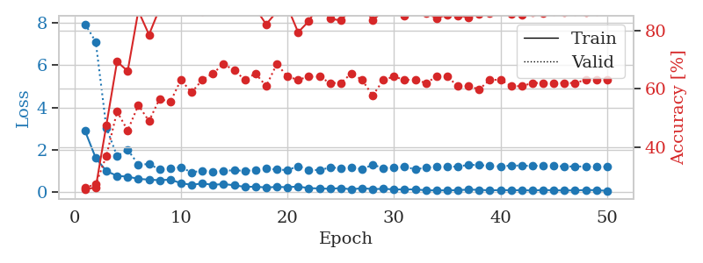
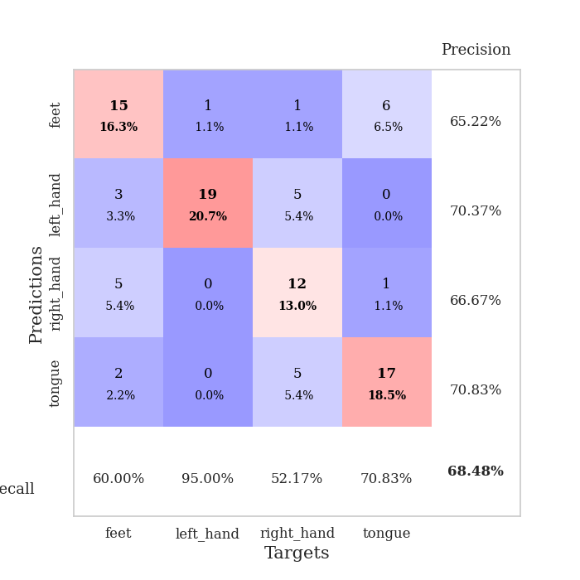
train_loss | valid_loss | train_accuracy | valid_accuracy | dur | train_misclass | valid_misclass
2.8937691657 | 7.9382001835 | 0.25543478261 | 0.26086956522 | 0.084250450134 | 25.543478261 | 26.086956522
1.6226541711 | 7.1087933623 | 0.26086956522 | 0.27173913043 | 0.082733869553 | 26.086956522 | 27.173913043
1.0059076081 | 3.0474892388 | 0.47554347826 | 0.36956521739 | 0.082379579544 | 47.554347826 | 36.956521739
0.78220429757 | 1.7143251326 | 0.69293478261 | 0.52173913043 | 0.082717418671 | 69.293478261 | 52.173913043
0.74280440872 | 2.0136374598 | 0.66032608696 | 0.45652173913 | 0.082543134689 | 66.032608696 | 45.652173913
0.63966654824 | 1.313963846 | 0.86684782609 | 0.54347826087 | 0.083376169205 | 86.684782609 | 54.347826087
0.60151967147 | 1.3348350318 | 0.78532608696 | 0.48913043478 | 0.083795309067 | 78.532608696 | 48.913043478
0.57690232215 | 1.0829980166 | 0.875 | 0.5652173913 | 0.083596944809 | 87.5 | 56.52173913
0.60237082126 | 1.1477709801 | 0.89130434783 | 0.55434782609 | 0.083884954453 | 89.130434783 | 55.434782609
0.43658542827 | 1.1815802325 | 0.91847826087 | 0.63043478261 | 0.083778858185 | 91.847826087 | 63.043478261
0.35689502825 | 0.94480891591 | 0.94565217391 | 0.58695652174 | 0.084176301956 | 94.565217391 | 58.695652174
0.42432897441 | 1.0255530243 | 0.86413043478 | 0.63043478261 | 0.083636283875 | 86.413043478 | 63.043478261
0.35813841612 | 0.97364172728 | 0.94565217391 | 0.65217391304 | 0.082559585571 | 94.565217391 | 65.217391304
0.39445655242 | 1.0187873607 | 0.92391304348 | 0.6847826087 | 0.08280134201 | 92.391304348 | 68.47826087
0.33665845446 | 1.0443739632 | 0.92119565217 | 0.66304347826 | 0.082991123199 | 92.119565217 | 66.304347826
0.26095255497 | 1.0158471647 | 0.89402173913 | 0.63043478261 | 0.083275318146 | 89.402173913 | 63.043478261
0.27085660965 | 1.0526430529 | 0.875 | 0.65217391304 | 0.082846641541 | 87.5 | 65.217391304
0.2319399099 | 1.1237450164 | 0.82065217391 | 0.60869565217 | 0.083024501801 | 82.065217391 | 60.869565217
0.2595824515 | 1.0746609854 | 0.86413043478 | 0.6847826087 | 0.083327531815 | 86.413043478 | 68.47826087
0.24616748937 | 1.0543297737 | 0.88043478261 | 0.64130434783 | 0.082814455032 | 88.043478261 | 64.130434783
0.27799134054 | 1.2344458621 | 0.79347826087 | 0.63043478261 | 0.082689285278 | 79.347826087 | 63.043478261
0.2014497904 | 1.0720890864 | 0.83152173913 | 0.64130434783 | 0.082587003708 | 83.152173913 | 64.130434783
0.186215419 | 1.0483276274 | 0.89130434783 | 0.64130434783 | 0.082466363907 | 89.130434783 | 64.130434783
0.17044204554 | 1.1783214289 | 0.83967391304 | 0.61956521739 | 0.082777261734 | 83.967391304 | 61.956521739
0.20374005434 | 1.1434518306 | 0.83423913043 | 0.61956521739 | 0.082782506943 | 83.423913043 | 61.956521739
0.14350212948 | 1.1618368626 | 0.8722826087 | 0.65217391304 | 0.082764863968 | 87.22826087 | 65.217391304
0.20097560727 | 1.0987173163 | 0.88586956522 | 0.63043478261 | 0.083342552185 | 88.586956522 | 63.043478261
0.15507311297 | 1.3012641046 | 0.83423913043 | 0.57608695652 | 0.083607673645 | 83.423913043 | 57.608695652
0.16962857868 | 1.1524327009 | 0.86684782609 | 0.63043478261 | 0.082889318466 | 86.684782609 | 63.043478261
0.14265721631 | 1.1757331983 | 0.875 | 0.64130434783 | 0.082807779312 | 87.5 | 64.130434783
0.13883154499 | 1.2080080457 | 0.85054347826 | 0.63043478261 | 0.082675933838 | 85.054347826 | 63.043478261
0.14333486108 | 1.0903824516 | 0.89402173913 | 0.63043478261 | 0.083476066589 | 89.402173913 | 63.043478261
0.098402599035 | 1.1645657291 | 0.85869565217 | 0.61956521739 | 0.082987546921 | 85.869565217 | 61.956521739
0.098177464233 | 1.2149986547 | 0.84239130435 | 0.64130434783 | 0.082632303238 | 84.239130435 | 64.130434783
0.096744297072 | 1.2008652169 | 0.85326086957 | 0.64130434783 | 0.083366394043 | 85.326086957 | 64.130434783
0.10704035612 | 1.2256978802 | 0.85054347826 | 0.60869565217 | 0.082722425461 | 85.054347826 | 60.869565217
0.13349786453 | 1.2974452039 | 0.84510869565 | 0.60869565217 | 0.08372092247 | 84.510869565 | 60.869565217
0.12081623223 | 1.2900963763 | 0.85597826087 | 0.59782608696 | 0.083189964294 | 85.597826087 | 59.782608696
0.09674792016 | 1.2543841393 | 0.85869565217 | 0.63043478261 | 0.082649469376 | 85.869565217 | 63.043478261
0.11133988015 | 1.2245538131 | 0.86413043478 | 0.63043478261 | 0.082752943039 | 86.413043478 | 63.043478261
0.10122135506 | 1.2694345609 | 0.85597826087 | 0.60869565217 | 0.082809448242 | 85.597826087 | 60.869565217
0.10562169568 | 1.2617624894 | 0.85326086957 | 0.60869565217 | 0.083207607269 | 85.326086957 | 60.869565217
0.091050947166 | 1.2483972259 | 0.86141304348 | 0.61956521739 | 0.083249330521 | 86.141304348 | 61.956521739
0.1121825345 | 1.2681021276 | 0.85869565217 | 0.61956521739 | 0.082586765289 | 85.869565217 | 61.956521739
0.10178899166 | 1.2414138006 | 0.86413043478 | 0.61956521739 | 0.08295583725 | 86.413043478 | 61.956521739
0.093835670015 | 1.227654851 | 0.86141304348 | 0.61956521739 | 0.082735538483 | 86.141304348 | 61.956521739
0.09861225647 | 1.2234261088 | 0.86413043478 | 0.61956521739 | 0.083634138107 | 86.413043478 | 61.956521739
0.11102116159 | 1.219903977 | 0.86141304348 | 0.63043478261 | 0.083953380585 | 86.141304348 | 63.043478261
0.10808214853 | 1.2166205748 | 0.86413043478 | 0.63043478261 | 0.084944248199 | 86.413043478 | 63.043478261
0.071527728487 | 1.2140254404 | 0.86684782609 | 0.63043478261 | 0.085280179977 | 86.684782609 | 63.043478261

Best Val accuracy is 0.6847826086956522 and Best test accuracy is 0.5862068965517241

Sheet5
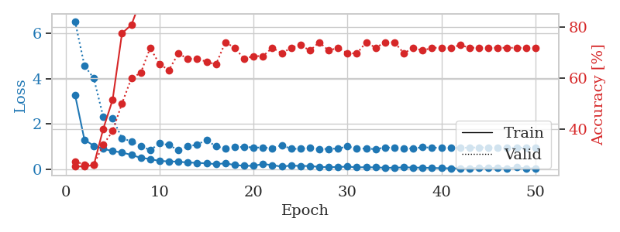
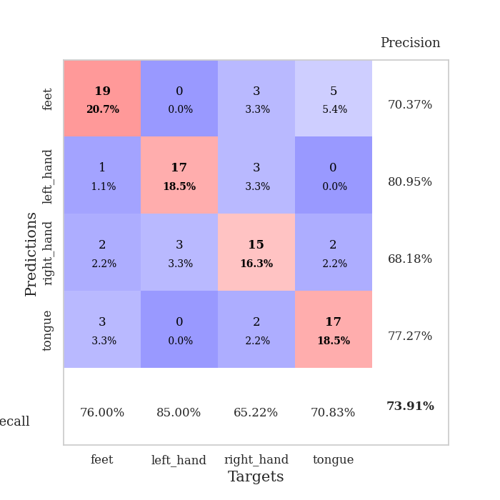
train_loss | valid_loss | train_accuracy | valid_accuracy | dur | train_misclass | valid_misclass
3.2857580444 | 6.5158888775 | 0.2527173913 | 0.27173913043 | 0.08491563797 | 25.27173913 | 27.173913043
1.3134043683 | 4.569137905 | 0.2527173913 | 0.26086956522 | 0.082371234894 | 25.27173913 | 26.086956522
1.045047532 | 4.0086800223 | 0.25815217391 | 0.26086956522 | 0.082355499268 | 25.815217391 | 26.086956522
0.91569430413 | 2.3247823819 | 0.39945652174 | 0.33695652174 | 0.082537174225 | 39.945652174 | 33.695652174
0.8107557841 | 2.2404900064 | 0.51358695652 | 0.39130434783 | 0.086620807648 | 51.358695652 | 39.130434783
0.75458311646 | 1.3778774427 | 0.77445652174 | 0.5 | 0.085764884949 | 77.445652174 | 50
0.64288802769 | 1.2399217409 | 0.80706521739 | 0.59782608696 | 0.084402084351 | 80.706521739 | 59.782608696
0.5181018911 | 1.0369259948 | 0.90489130435 | 0.61956521739 | 0.084205389023 | 90.489130435 | 61.956521739
0.46541603363 | 0.8580784072 | 0.8722826087 | 0.71739130435 | 0.08332157135 | 87.22826087 | 71.739130435
0.3774082246 | 1.150859444 | 0.91032608696 | 0.65217391304 | 0.083074092865 | 91.032608696 | 65.217391304
0.36411423884 | 1.0825781045 | 0.94565217391 | 0.63043478261 | 0.083091497421 | 94.565217391 | 63.043478261
0.3453801838 | 0.84595097148 | 0.9347826087 | 0.69565217391 | 0.083088159561 | 93.47826087 | 69.565217391
0.31386393503 | 1.0159646532 | 0.91576086957 | 0.67391304348 | 0.082802057266 | 91.576086957 | 67.391304348
0.29642888806 | 1.1009094456 | 0.91304347826 | 0.67391304348 | 0.082555055618 | 91.304347826 | 67.391304348
0.27618946524 | 1.3058649509 | 0.8722826087 | 0.66304347826 | 0.082790613174 | 87.22826087 | 66.304347826
0.24061902191 | 1.0134289109 | 0.95380434783 | 0.65217391304 | 0.082505941391 | 95.380434783 | 65.217391304
0.27751073986 | 0.93790366857 | 0.9347826087 | 0.73913043478 | 0.082780599594 | 93.47826087 | 73.913043478
0.20051745973 | 0.9791181554 | 0.94293478261 | 0.71739130435 | 0.082456827164 | 94.293478261 | 71.739130435
0.16778915521 | 1.0014097846 | 0.95923913043 | 0.67391304348 | 0.082625389099 | 95.923913043 | 67.391304348
0.16637834583 | 0.97096986874 | 0.98097826087 | 0.6847826087 | 0.082560777664 | 98.097826087 | 68.47826087
0.2454811895 | 0.96712838567 | 0.94836956522 | 0.6847826087 | 0.082775831223 | 94.836956522 | 68.47826087
0.19726513541 | 0.94496656501 | 0.96195652174 | 0.71739130435 | 0.083298444748 | 96.195652174 | 71.739130435
0.13119136429 | 1.0703012632 | 0.94836956522 | 0.69565217391 | 0.082832574844 | 94.836956522 | 69.565217391
0.18100408367 | 0.91419807206 | 0.94565217391 | 0.71739130435 | 0.082113981247 | 94.565217391 | 71.739130435
0.15743581947 | 0.91518609938 | 0.96195652174 | 0.72826086957 | 0.08237695694 | 96.195652174 | 72.826086957
0.16177525764 | 0.95889804156 | 0.96739130435 | 0.70652173913 | 0.082529783249 | 96.739130435 | 70.652173913
0.11613345422 | 0.90358089882 | 0.96467391304 | 0.73913043478 | 0.082684993744 | 96.467391304 | 73.913043478
0.10826406361 | 0.90989203038 | 0.95923913043 | 0.70652173913 | 0.082810163498 | 95.923913043 | 70.652173913
0.11401623338 | 0.92709907241 | 0.95108695652 | 0.71739130435 | 0.082080125809 | 95.108695652 | 71.739130435
0.13228555007 | 1.0159126002 | 0.92934782609 | 0.69565217391 | 0.082668304443 | 92.934782609 | 69.565217391
0.097256098874 | 0.92335936298 | 0.95923913043 | 0.69565217391 | 0.082960128784 | 95.923913043 | 69.565217391
0.10877858208 | 0.92580598852 | 0.97010869565 | 0.73913043478 | 0.082072019577 | 97.010869565 | 73.913043478
0.095862878648 | 0.89679133892 | 0.96195652174 | 0.71739130435 | 0.082367897034 | 96.195652174 | 71.739130435
0.08354033716 | 0.97658055762 | 0.97282608696 | 0.73913043478 | 0.082775115967 | 97.282608696 | 73.913043478
0.082106349595 | 0.95638171486 | 0.97554347826 | 0.73913043478 | 0.082173109055 | 97.554347826 | 73.913043478
0.099887894811 | 0.93423652131 | 0.97826086957 | 0.69565217391 | 0.084498167038 | 97.826086957 | 69.565217391
0.092028357291 | 0.92855419283 | 0.97282608696 | 0.71739130435 | 0.085337638855 | 97.282608696 | 71.739130435
0.084019887342 | 0.98264048929 | 0.97010869565 | 0.70652173913 | 0.082534313202 | 97.010869565 | 70.652173913
0.074537180972 | 0.95870769024 | 0.97010869565 | 0.71739130435 | 0.083773374557 | 97.010869565 | 71.739130435
0.062722342696 | 0.96565956136 | 0.97554347826 | 0.71739130435 | 0.084173440933 | 97.554347826 | 71.739130435
0.060203531352 | 0.95530347202 | 0.97010869565 | 0.71739130435 | 0.08375120163 | 97.010869565 | 71.739130435
0.053654037659 | 0.95699029902 | 0.97010869565 | 0.72826086957 | 0.083312034607 | 97.010869565 | 72.826086957
0.061573405953 | 0.96555158885 | 0.97010869565 | 0.71739130435 | 0.082644224167 | 97.010869565 | 71.739130435
0.076769551202 | 0.97390058248 | 0.97010869565 | 0.71739130435 | 0.083436250687 | 97.010869565 | 71.739130435
0.064408934068 | 0.96533202607 | 0.97010869565 | 0.71739130435 | 0.084205150604 | 97.010869565 | 71.739130435
0.087959882864 | 0.96555908867 | 0.97010869565 | 0.71739130435 | 0.083862781525 | 97.010869565 | 71.739130435
0.055949682937 | 0.96366726834 | 0.97010869565 | 0.71739130435 | 0.082572698593 | 97.010869565 | 71.739130435
0.098534213379 | 0.9626479097 | 0.97010869565 | 0.71739130435 | 0.082167387009 | 97.010869565 | 71.739130435
0.057982445978 | 0.96191764914 | 0.97282608696 | 0.71739130435 | 0.086396217346 | 97.282608696 | 71.739130435
0.05814952952 | 0.9613796939 | 0.97282608696 | 0.71739130435 | 0.082432985306 | 97.282608696 | 71.739130435

Best Val accuracy is 0.7391304347826086 and Best test accuracy is 0.6982758620689655

Sheet6
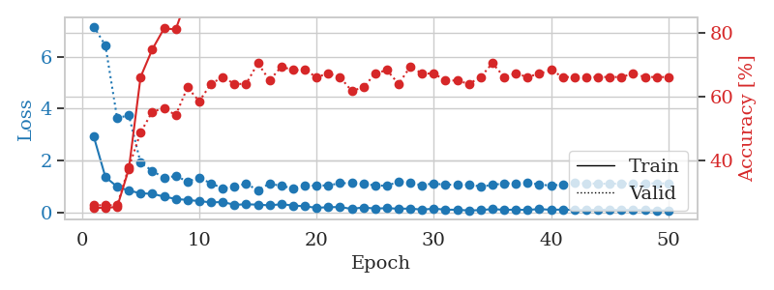
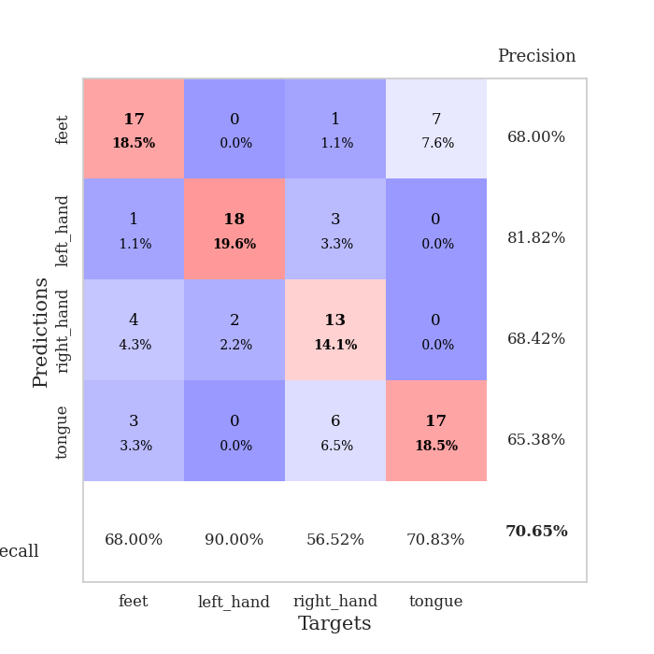
train_loss | valid_loss | train_accuracy | valid_accuracy | dur | train_misclass | valid_misclass
2.9319883222 | 7.1654844077 | 0.2527173913 | 0.26086956522 | 0.086740493774 | 25.27173913 | 26.086956522
1.3591067376 | 6.43999334 | 0.2527173913 | 0.26086956522 | 0.082758426666 | 25.27173913 | 26.086956522
0.98720705509 | 3.6305391063 | 0.25543478261 | 0.26086956522 | 0.082845449448 | 25.543478261 | 26.086956522
0.83545152778 | 3.744213239 | 0.375 | 0.38043478261 | 0.082398176193 | 37.5 | 38.043478261
0.73218197538 | 1.9050864811 | 0.66304347826 | 0.48913043478 | 0.082651615143 | 66.304347826 | 48.913043478
0.71148709888 | 1.600770375 | 0.75 | 0.55434782609 | 0.082658529282 | 75 | 55.434782609
0.60414972124 | 1.3186689563 | 0.8152173913 | 0.5652173913 | 0.083205938339 | 81.52173913 | 56.52173913
0.51317130029 | 1.4025533433 | 0.8125 | 0.54347826087 | 0.083904504776 | 81.25 | 54.347826087
0.47333324344 | 1.1862296618 | 0.91576086957 | 0.63043478261 | 0.08421254158 | 91.576086957 | 63.043478261
0.43039718529 | 1.3287982371 | 0.88043478261 | 0.58695652174 | 0.082951068878 | 88.043478261 | 58.695652174
0.38056484254 | 1.1178668893 | 0.91576086957 | 0.64130434783 | 0.082251310349 | 91.576086957 | 64.130434783
0.39484209697 | 0.92038578832 | 0.9375 | 0.66304347826 | 0.082790136337 | 93.75 | 66.304347826
0.28840614305 | 0.9917031708 | 0.95108695652 | 0.64130434783 | 0.08598613739 | 95.108695652 | 64.130434783
0.30501126142 | 1.1009203144 | 0.94293478261 | 0.64130434783 | 0.083283185959 | 94.293478261 | 64.130434783
0.29505110597 | 0.85191000545 | 0.95380434783 | 0.70652173913 | 0.083081960678 | 95.380434783 | 70.652173913
0.26509886948 | 1.1065466611 | 0.90489130435 | 0.65217391304 | 0.082416057587 | 90.489130435 | 65.217391304
0.30923058157 | 1.013164541 | 0.94836956522 | 0.69565217391 | 0.082701206207 | 94.836956522 | 69.565217391
0.26176219855 | 0.92815954011 | 0.9347826087 | 0.6847826087 | 0.082916021347 | 93.47826087 | 68.47826087
0.22846550786 | 1.0146796859 | 0.95923913043 | 0.6847826087 | 0.085832118988 | 95.923913043 | 68.47826087
0.17219109866 | 1.0334407972 | 0.95923913043 | 0.66304347826 | 0.085527181625 | 95.923913043 | 66.304347826
0.1938703985 | 1.033526006 | 0.96195652174 | 0.67391304348 | 0.082775115967 | 96.195652174 | 67.391304348
0.20175943005 | 1.1217028525 | 0.97282608696 | 0.66304347826 | 0.083050966263 | 97.282608696 | 66.304347826
0.12898802061 | 1.1223148678 | 0.9375 | 0.61956521739 | 0.083108186722 | 93.75 | 61.956521739
0.18594834338 | 1.0893401892 | 0.95380434783 | 0.63043478261 | 0.083374261856 | 95.380434783 | 63.043478261
0.14050208461 | 1.0387452323 | 0.95108695652 | 0.67391304348 | 0.083110570908 | 95.108695652 | 67.391304348
0.15861159555 | 1.0191357706 | 0.98097826087 | 0.6847826087 | 0.085663795471 | 98.097826087 | 68.47826087
0.13570853663 | 1.1845360476 | 0.94565217391 | 0.64130434783 | 0.083198785782 | 94.565217391 | 64.130434783
0.14107405548 | 1.1223184285 | 0.98913043478 | 0.69565217391 | 0.082573890686 | 98.913043478 | 69.565217391
0.10201584698 | 1.0433255071 | 0.99184782609 | 0.67391304348 | 0.082177877426 | 99.184782609 | 67.391304348
0.13731334253 | 1.1149324749 | 0.96195652174 | 0.67391304348 | 0.087169647217 | 96.195652174 | 67.391304348
0.10086064672 | 1.0539540026 | 0.97554347826 | 0.65217391304 | 0.082890272141 | 97.554347826 | 65.217391304
0.09496632105 | 1.079680759 | 0.98097826087 | 0.65217391304 | 0.082894563675 | 98.097826087 | 65.217391304
0.067901886635 | 1.0632433425 | 0.97554347826 | 0.64130434783 | 0.083056211472 | 97.554347826 | 64.130434783
0.083287027017 | 0.99485940519 | 0.97282608696 | 0.66304347826 | 0.08323097229 | 97.282608696 | 66.304347826
0.12258012297 | 1.0512044663 | 0.98369565217 | 0.70652173913 | 0.083040714264 | 98.369565217 | 70.652173913
0.092749017412 | 1.1177604561 | 0.97282608696 | 0.66304347826 | 0.082708835602 | 97.282608696 | 66.304347826
0.099482804051 | 1.1132412786 | 0.98097826087 | 0.67391304348 | 0.087200880051 | 98.097826087 | 67.391304348
0.090577911505 | 1.1254398356 | 0.98913043478 | 0.66304347826 | 0.083109855652 | 98.913043478 | 66.304347826
0.12275858703 | 1.0801729793 | 0.99456521739 | 0.67391304348 | 0.083402872086 | 99.456521739 | 67.391304348
0.094246644851 | 1.0201806556 | 0.99456521739 | 0.6847826087 | 0.083053350449 | 99.456521739 | 68.47826087
0.10473817141 | 1.0833691307 | 0.98913043478 | 0.66304347826 | 0.082659006119 | 98.913043478 | 66.304347826
0.087925936905 | 1.1238791683 | 0.98641304348 | 0.66304347826 | 0.083260774612 | 98.641304348 | 66.304347826
0.080864967535 | 1.114493681 | 0.98913043478 | 0.66304347826 | 0.082687139511 | 98.913043478 | 66.304347826
0.098937340121 | 1.1048211378 | 0.98913043478 | 0.66304347826 | 0.082701683044 | 98.913043478 | 66.304347826
0.093759037433 | 1.0978636379 | 0.99184782609 | 0.66304347826 | 0.082677364349 | 99.184782609 | 66.304347826
0.085013273375 | 1.1088214957 | 0.98641304348 | 0.66304347826 | 0.082802772522 | 98.641304348 | 66.304347826
0.091690058294 | 1.1128579689 | 0.98641304348 | 0.67391304348 | 0.082908630371 | 98.641304348 | 67.391304348
0.082604885101 | 1.1134350714 | 0.98641304348 | 0.66304347826 | 0.083201885223 | 98.641304348 | 66.304347826
0.07075127856 | 1.1134064353 | 0.98641304348 | 0.66304347826 | 0.084379434586 | 98.641304348 | 66.304347826
0.072498161913 | 1.1125196737 | 0.98641304348 | 0.66304347826 | 0.084743738174 | 98.641304348 | 66.304347826

Best Val accuracy is 0.7065217391304348 and Best test accuracy is 0.6206896551724138

Sheet7
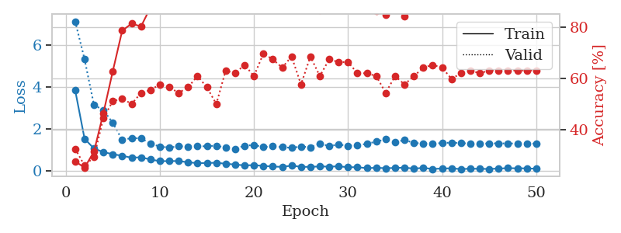
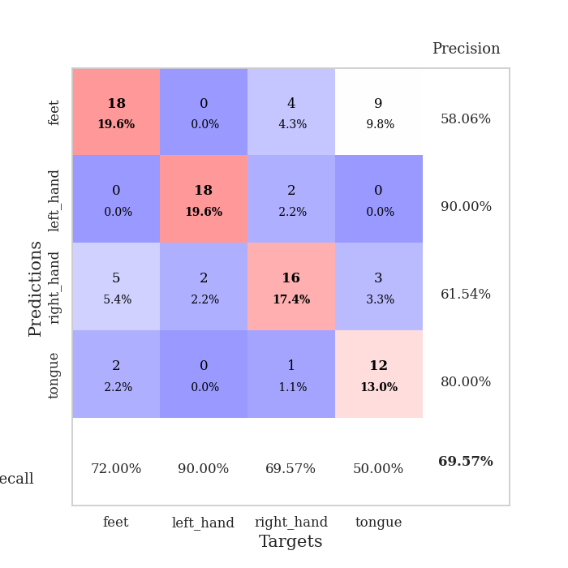
train_loss | valid_loss | train_accuracy | valid_accuracy | dur | train_misclass | valid_misclass
3.8464423263 | 7.110772278 | 0.27717391304 | 0.32608695652 | 0.084096193314 | 27.717391304 | 32.608695652
1.5382961087 | 5.3130708363 | 0.2527173913 | 0.26086956522 | 0.082393884659 | 25.27173913 | 26.086956522
1.0764316139 | 3.1401559063 | 0.3152173913 | 0.29347826087 | 0.082200527191 | 31.52173913 | 29.347826087
0.90475022275 | 2.9025928352 | 0.46467391304 | 0.44565217391 | 0.082026958466 | 46.467391304 | 44.565217391
0.8077938764 | 2.2911288013 | 0.6277173913 | 0.51086956522 | 0.082078695297 | 62.77173913 | 51.086956522
0.73064691476 | 1.4854065802 | 0.78532608696 | 0.52173913043 | 0.08248090744 | 78.532608696 | 52.173913043
0.64098372537 | 1.571845661 | 0.8125 | 0.5 | 0.082810878754 | 81.25 | 50
0.65983497837 | 1.5588912912 | 0.80163043478 | 0.54347826087 | 0.083255767822 | 80.163043478 | 54.347826087
0.55460671238 | 1.3104829944 | 0.875 | 0.55434782609 | 0.084743499756 | 87.5 | 55.434782609
0.47713523196 | 1.1667373751 | 0.92663043478 | 0.57608695652 | 0.082555294037 | 92.663043478 | 57.608695652
0.47762422847 | 1.1236323947 | 0.89130434783 | 0.5652173913 | 0.082244873047 | 89.130434783 | 56.52173913
0.48335731353 | 1.1793917754 | 0.91032608696 | 0.54347826087 | 0.082070350647 | 91.032608696 | 54.347826087
0.42209160846 | 1.1760363942 | 0.93206521739 | 0.5652173913 | 0.082058668137 | 93.206521739 | 56.52173913
0.38370690754 | 1.178726725 | 0.89130434783 | 0.60869565217 | 0.082363128662 | 89.130434783 | 60.869565217
0.38759739049 | 1.1853442736 | 0.8777173913 | 0.5652173913 | 0.082621097565 | 87.77173913 | 56.52173913
0.40170758056 | 1.212602776 | 0.90217391304 | 0.5 | 0.082527637482 | 90.217391304 | 50
0.35264463561 | 1.115023784 | 0.9375 | 0.63043478261 | 0.082149744034 | 93.75 | 63.043478261
0.31695988612 | 1.0649234834 | 0.9347826087 | 0.61956521739 | 0.082916975021 | 93.47826087 | 61.956521739
0.27441367766 | 1.2088331606 | 0.86684782609 | 0.65217391304 | 0.082588195801 | 86.684782609 | 65.217391304
0.28867314464 | 1.2430375918 | 0.91304347826 | 0.60869565217 | 0.08286523819 | 91.304347826 | 60.869565217
0.2506999733 | 1.1485493961 | 0.90760869565 | 0.69565217391 | 0.08257818222 | 90.760869565 | 69.565217391
0.22069550338 | 1.1770971962 | 0.89402173913 | 0.67391304348 | 0.082651138306 | 89.402173913 | 67.391304348
0.20548242897 | 1.1407847456 | 0.92934782609 | 0.64130434783 | 0.082523822784 | 92.934782609 | 64.130434783
0.2637643197 | 1.1081796885 | 0.9402173913 | 0.6847826087 | 0.082398891449 | 94.02173913 | 68.47826087
0.20882288933 | 1.1706826169 | 0.89402173913 | 0.57608695652 | 0.082579612732 | 89.402173913 | 57.608695652
0.20485454976 | 1.1390022869 | 0.91032608696 | 0.6847826087 | 0.082080364227 | 91.032608696 | 68.47826087
0.22748568265 | 1.3106090608 | 0.86413043478 | 0.60869565217 | 0.082122564316 | 86.413043478 | 60.869565217
0.21610219096 | 1.1910300877 | 0.92934782609 | 0.67391304348 | 0.082271575928 | 92.934782609 | 67.391304348
0.23118756744 | 1.2644617506 | 0.88858695652 | 0.66304347826 | 0.082053899765 | 88.858695652 | 66.304347826
0.18876019541 | 1.209474999 | 0.89673913043 | 0.66304347826 | 0.082457780838 | 89.673913043 | 66.304347826
0.18891674232 | 1.2363716882 | 0.91576086957 | 0.61956521739 | 0.085458993912 | 91.576086957 | 61.956521739
0.14452414664 | 1.2961882146 | 0.88315217391 | 0.61956521739 | 0.08297586441 | 88.315217391 | 61.956521739
0.16174557433 | 1.4068058729 | 0.86141304348 | 0.60869565217 | 0.08451795578 | 86.141304348 | 60.869565217
0.14335431005 | 1.5082112758 | 0.84782608696 | 0.54347826087 | 0.083797454834 | 84.782608696 | 54.347826087
0.15367029858 | 1.3692030855 | 0.88858695652 | 0.60869565217 | 0.092036247253 | 88.858695652 | 60.869565217
0.16944585198 | 1.4838274044 | 0.84239130435 | 0.57608695652 | 0.088616371155 | 84.239130435 | 57.608695652
0.12238344431 | 1.3395607057 | 0.88586956522 | 0.60869565217 | 0.085145950317 | 88.586956522 | 60.869565217
0.15732811278 | 1.3146183439 | 0.89673913043 | 0.64130434783 | 0.084227561951 | 89.673913043 | 64.130434783
0.10657276537 | 1.3168915821 | 0.89402173913 | 0.65217391304 | 0.083963394165 | 89.402173913 | 65.217391304
0.1280073628 | 1.3328735414 | 0.88586956522 | 0.64130434783 | 0.083417654037 | 88.586956522 | 64.130434783
0.1365119329 | 1.3587826957 | 0.88315217391 | 0.59782608696 | 0.087752342224 | 88.315217391 | 59.782608696
0.098666760787 | 1.33284051 | 0.89402173913 | 0.61956521739 | 0.085920810699 | 89.402173913 | 61.956521739
0.12033149519 | 1.307494148 | 0.89945652174 | 0.63043478261 | 0.08287525177 | 89.945652174 | 63.043478261
0.11292062084 | 1.3036009747 | 0.90489130435 | 0.61956521739 | 0.082528829575 | 90.489130435 | 61.956521739
0.10618329162 | 1.3204242095 | 0.89673913043 | 0.63043478261 | 0.083429336548 | 89.673913043 | 63.043478261
0.12617411724 | 1.3213595515 | 0.90217391304 | 0.63043478261 | 0.084318399429 | 90.217391304 | 63.043478261
0.14457228731 | 1.3154685653 | 0.90489130435 | 0.63043478261 | 0.082985401154 | 90.489130435 | 63.043478261
0.13652802907 | 1.3144332896 | 0.90489130435 | 0.63043478261 | 0.08372759819 | 90.489130435 | 63.043478261
0.13649557531 | 1.3112497693 | 0.90760869565 | 0.63043478261 | 0.082627534866 | 90.760869565 | 63.043478261
0.11373438759 | 1.308809524 | 0.90760869565 | 0.63043478261 | 0.085359334946 | 90.760869565 | 63.043478261

Best Val accuracy is 0.6956521739130435 and Best test accuracy is 0.5775862068965517

Sheet8
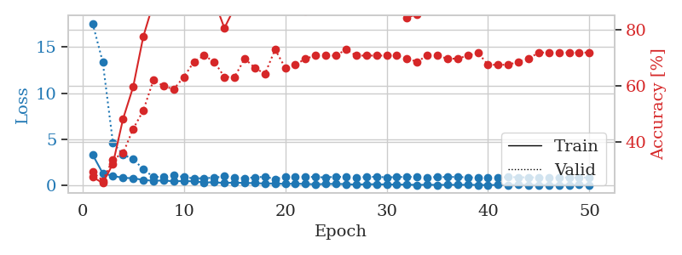
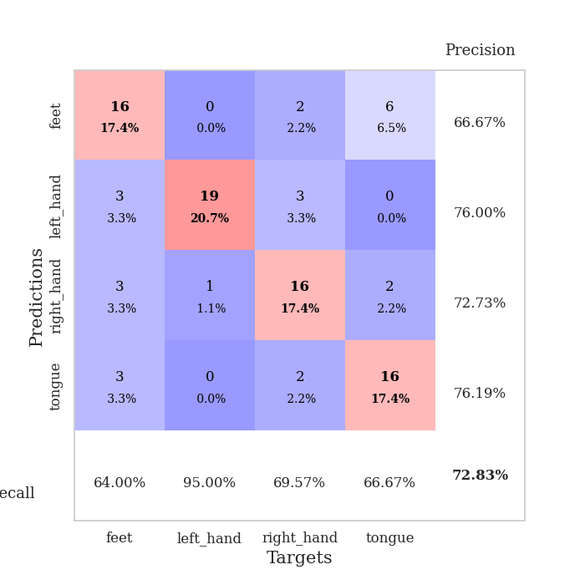
train_loss | valid_loss | train_accuracy | valid_accuracy | dur | train_misclass | valid_misclass
3.3602450671 | 17.573214033 | 0.27445652174 | 0.29347826087 | 0.085675001144 | 27.445652174 | 29.347826087
1.3451926708 | 13.392886742 | 0.2527173913 | 0.26086956522 | 0.084255456924 | 25.27173913 | 26.086956522
1.0624348003 | 4.6720724728 | 0.32065217391 | 0.33695652174 | 0.082952976227 | 32.065217391 | 33.695652174
0.85030978011 | 3.3555100379 | 0.48097826087 | 0.35869565217 | 0.082775592804 | 48.097826087 | 35.869565217
0.80634086028 | 2.8962036423 | 0.59510869565 | 0.44565217391 | 0.083527803421 | 59.510869565 | 44.565217391
0.6249355311 | 1.7684065725 | 0.77445652174 | 0.51086956522 | 0.082805395126 | 77.445652174 | 51.086956522
0.52880574828 | 0.9448749112 | 0.89402173913 | 0.61956521739 | 0.082550048828 | 89.402173913 | 61.956521739
0.56678377805 | 0.96505249065 | 0.92391304348 | 0.59782608696 | 0.082560539246 | 92.391304348 | 59.782608696
0.4743648463 | 1.1066673294 | 0.90217391304 | 0.58695652174 | 0.08266210556 | 90.217391304 | 58.695652174
0.50996217715 | 0.94739289128 | 0.90217391304 | 0.63043478261 | 0.082693815231 | 90.217391304 | 63.043478261
0.46962856599 | 0.78255808613 | 0.90489130435 | 0.6847826087 | 0.082767009735 | 90.489130435 | 68.47826087
0.35752659421 | 0.81572461906 | 0.91576086957 | 0.70652173913 | 0.083342075348 | 91.576086957 | 70.652173913
0.36489003767 | 0.86616299982 | 0.90217391304 | 0.6847826087 | 0.082946777344 | 90.217391304 | 68.47826087
0.29317406338 | 1.0178546854 | 0.80434782609 | 0.63043478261 | 0.08305811882 | 80.434782609 | 63.043478261
0.34434439048 | 0.90397797719 | 0.8777173913 | 0.63043478261 | 0.085041046143 | 87.77173913 | 63.043478261
0.28883925437 | 0.82190996927 | 0.91576086957 | 0.69565217391 | 0.085525751114 | 91.576086957 | 69.565217391
0.28584928195 | 0.90154231113 | 0.92663043478 | 0.66304347826 | 0.082904100418 | 92.663043478 | 66.304347826
0.22859237991 | 0.96601252193 | 0.875 | 0.64130434783 | 0.082764148712 | 87.5 | 64.130434783
0.24642654525 | 0.72279590109 | 0.92663043478 | 0.72826086957 | 0.082801818848 | 92.663043478 | 72.826086957
0.18546360172 | 0.95342661246 | 0.90489130435 | 0.66304347826 | 0.083197116852 | 90.489130435 | 66.304347826
0.23067731491 | 0.93618437259 | 0.88858695652 | 0.67391304348 | 0.083334922791 | 88.858695652 | 67.391304348
0.18620648106 | 0.97795571192 | 0.86413043478 | 0.69565217391 | 0.082993030548 | 86.413043478 | 69.565217391
0.15034185722 | 0.93463784715 | 0.91576086957 | 0.70652173913 | 0.08295249939 | 91.576086957 | 70.652173913
0.18940260974 | 0.89415393187 | 0.97282608696 | 0.70652173913 | 0.083177566528 | 97.282608696 | 70.652173913
0.19578165448 | 0.97722292724 | 0.95108695652 | 0.70652173913 | 0.082892417908 | 95.108695652 | 70.652173913
0.17088198597 | 0.92147978752 | 0.95923913043 | 0.72826086957 | 0.083106517792 | 95.923913043 | 72.826086957
0.11725199142 | 0.86668880349 | 0.95923913043 | 0.70652173913 | 0.10874605179 | 95.923913043 | 70.652173913
0.16481096038 | 0.94655971164 | 0.96467391304 | 0.70652173913 | 0.10258746147 | 96.467391304 | 70.652173913
0.15259313122 | 0.96573117246 | 0.90489130435 | 0.70652173913 | 0.10708808899 | 90.489130435 | 70.652173913
0.13610554705 | 0.90616217126 | 0.92119565217 | 0.70652173913 | 0.11048603058 | 92.119565217 | 70.652173913
0.12455046639 | 0.92460704886 | 0.91576086957 | 0.70652173913 | 0.085087299347 | 91.576086957 | 70.652173913
0.11756334312 | 0.9653804069 | 0.84239130435 | 0.69565217391 | 0.082899808884 | 84.239130435 | 69.565217391
0.081532900424 | 0.95254416829 | 0.85326086957 | 0.6847826087 | 0.084210395813 | 85.326086957 | 68.47826087
0.1091759762 | 0.91508343168 | 0.88043478261 | 0.70652173913 | 0.08341550827 | 88.043478261 | 70.652173913
0.079874735892 | 0.93542960675 | 0.92119565217 | 0.70652173913 | 0.085914373398 | 92.119565217 | 70.652173913
0.097351104466 | 0.93444981782 | 0.91304347826 | 0.69565217391 | 0.085348129272 | 91.304347826 | 69.565217391
0.089981689806 | 0.95274765854 | 0.875 | 0.69565217391 | 0.086301803589 | 87.5 | 69.565217391
0.099549770031 | 0.89822896926 | 0.90217391304 | 0.70652173913 | 0.08366727829 | 90.217391304 | 70.652173913
0.08058448395 | 0.88851672411 | 0.92391304348 | 0.71739130435 | 0.082966327667 | 92.391304348 | 71.739130435
0.065820953222 | 0.90531086144 | 0.90760869565 | 0.67391304348 | 0.082583665848 | 90.760869565 | 67.391304348
0.090541470027 | 0.9023561685 | 0.91576086957 | 0.67391304348 | 0.083348274231 | 91.576086957 | 67.391304348
0.077383725175 | 0.93005234521 | 0.90760869565 | 0.67391304348 | 0.086031198502 | 90.760869565 | 67.391304348
0.10652685072 | 0.914405504 | 0.91032608696 | 0.6847826087 | 0.085718393326 | 91.032608696 | 68.47826087
0.071341914854 | 0.89768691685 | 0.91847826087 | 0.69565217391 | 0.085786581039 | 91.847826087 | 69.565217391
0.084981721138 | 0.88897753021 | 0.92119565217 | 0.71739130435 | 0.08570432663 | 92.119565217 | 71.739130435
0.075037593812 | 0.88893864466 | 0.92934782609 | 0.71739130435 | 0.084529161453 | 92.934782609 | 71.739130435
0.079391724875 | 0.89093988097 | 0.92934782609 | 0.71739130435 | 0.083097219467 | 92.934782609 | 71.739130435
0.084200746987 | 0.88971871138 | 0.93206521739 | 0.71739130435 | 0.083722352982 | 93.206521739 | 71.739130435
0.091907914708 | 0.88815543703 | 0.9347826087 | 0.71739130435 | 0.086934566498 | 93.47826087 | 71.739130435
0.075258245671 | 0.88715980623 | 0.9347826087 | 0.71739130435 | 0.083903312683 | 93.47826087 | 71.739130435

Best Val accuracy is 0.7282608695652174 and Best test accuracy is 0.6551724137931034

Sheet9
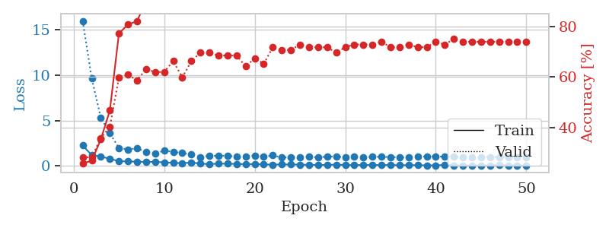
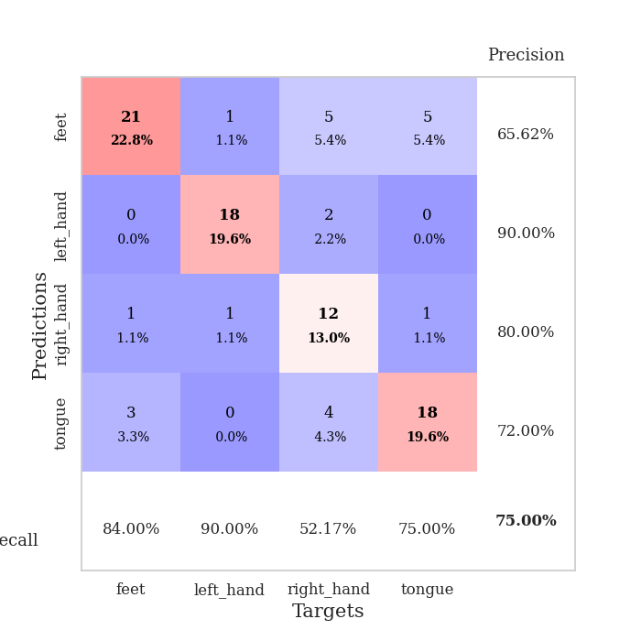
train_loss | valid_loss | train_accuracy | valid_accuracy | dur | train_misclass | valid_misclass
2.2631088443 | 15.940316988 | 0.25815217391 | 0.28260869565 | 0.083507299423 | 25.815217391 | 28.260869565
1.1867409659 | 9.6117547491 | 0.26902173913 | 0.28260869565 | 0.082961320877 | 26.902173913 | 28.260869565
1.0473612949 | 5.3192355322 | 0.35326086957 | 0.35869565217 | 0.082857847214 | 35.326086957 | 35.869565217
0.78812976505 | 3.6024364389 | 0.46739130435 | 0.40217391304 | 0.087129116058 | 46.739130435 | 40.217391304
0.53637666417 | 1.9881527424 | 0.77173913043 | 0.59782608696 | 0.084586620331 | 77.173913043 | 59.782608696
0.50118901483 | 1.82626321 | 0.80706521739 | 0.60869565217 | 0.083066701889 | 80.706521739 | 60.869565217
0.4760889709 | 1.9382021634 | 0.82065217391 | 0.58695652174 | 0.08250784874 | 82.065217391 | 58.695652174
0.44829080869 | 1.5550108267 | 0.89945652174 | 0.63043478261 | 0.08248925209 | 89.945652174 | 63.043478261
0.45783432735 | 1.3765481918 | 0.91576086957 | 0.61956521739 | 0.082638978958 | 91.576086957 | 61.956521739
0.39657770875 | 1.6907220353 | 0.8722826087 | 0.61956521739 | 0.083555459976 | 87.22826087 | 61.956521739
0.3454063755 | 1.5530109768 | 0.93206521739 | 0.66304347826 | 0.088610172272 | 93.206521739 | 66.304347826
0.31343480394 | 1.4204524444 | 0.92391304348 | 0.59782608696 | 0.083448886871 | 92.391304348 | 59.782608696
0.37731205931 | 1.2644640557 | 0.9347826087 | 0.66304347826 | 0.086625099182 | 93.47826087 | 66.304347826
0.26961736446 | 0.98652062468 | 0.97282608696 | 0.69565217391 | 0.083608627319 | 97.282608696 | 69.565217391
0.20379718879 | 1.125266495 | 0.95108695652 | 0.69565217391 | 0.084072351456 | 95.108695652 | 69.565217391
0.26550452346 | 1.1136754699 | 0.96739130435 | 0.6847826087 | 0.083476781845 | 96.739130435 | 68.47826087
0.24521427456 | 1.1461228754 | 0.97282608696 | 0.6847826087 | 0.083534002304 | 97.282608696 | 68.47826087
0.22962448705 | 1.0172683908 | 0.97554347826 | 0.6847826087 | 0.087289333344 | 97.554347826 | 68.47826087
0.20001869244 | 1.0319554547 | 0.9375 | 0.64130434783 | 0.084108829498 | 93.75 | 64.130434783
0.21627571069 | 1.1553744363 | 0.97282608696 | 0.67391304348 | 0.082899093628 | 97.282608696 | 67.391304348
0.17108827404 | 1.0196995113 | 0.9402173913 | 0.65217391304 | 0.085082292557 | 94.02173913 | 65.217391304
0.15536041226 | 1.1630674834 | 0.97282608696 | 0.71739130435 | 0.083692550659 | 97.282608696 | 71.739130435
0.16546889856 | 0.91966226308 | 0.95923913043 | 0.70652173913 | 0.083003044128 | 95.923913043 | 70.652173913
0.17259079995 | 0.99339689897 | 0.94836956522 | 0.70652173913 | 0.083241701126 | 94.836956522 | 70.652173913
0.15034618196 | 0.99233537848 | 0.97826086957 | 0.72826086957 | 0.083513975143 | 97.826086957 | 72.826086957
0.12806053784 | 1.0155841164 | 0.96467391304 | 0.71739130435 | 0.08294916153 | 96.467391304 | 71.739130435
0.11656292844 | 0.93737574116 | 0.96739130435 | 0.71739130435 | 0.082578420639 | 96.739130435 | 71.739130435
0.11830297801 | 1.0362801085 | 0.97282608696 | 0.71739130435 | 0.08394908905 | 97.282608696 | 71.739130435
0.15533713399 | 1.0447751128 | 0.97010869565 | 0.69565217391 | 0.084367513657 | 97.010869565 | 69.565217391
0.10523434445 | 0.9613024411 | 0.94836956522 | 0.71739130435 | 0.082247257233 | 94.836956522 | 71.739130435
0.10273676224 | 1.0538133512 | 0.97826086957 | 0.72826086957 | 0.084634065628 | 97.826086957 | 72.826086957
0.10956175382 | 0.97726317398 | 0.98913043478 | 0.72826086957 | 0.083129882812 | 98.913043478 | 72.826086957
0.11079253714 | 1.0009281998 | 0.97282608696 | 0.72826086957 | 0.082599401474 | 97.282608696 | 72.826086957
0.10365663238 | 1.0095071974 | 0.97282608696 | 0.73913043478 | 0.082163572311 | 97.282608696 | 73.913043478
0.11188660781 | 0.97757495486 | 0.97554347826 | 0.71739130435 | 0.082708835602 | 97.554347826 | 71.739130435
0.079585317887 | 0.95558179073 | 0.97826086957 | 0.71739130435 | 0.082911729813 | 97.826086957 | 71.739130435
0.091958839001 | 0.93779481235 | 0.97826086957 | 0.72826086957 | 0.081825733185 | 97.826086957 | 72.826086957
0.095518880949 | 1.0297407637 | 0.98369565217 | 0.71739130435 | 0.082005262375 | 98.369565217 | 71.739130435
0.066246459524 | 1.049813531 | 0.98369565217 | 0.71739130435 | 0.08235001564 | 98.369565217 | 71.739130435
0.06503679577 | 1.0593261848 | 0.98369565217 | 0.73913043478 | 0.086603164673 | 98.369565217 | 73.913043478
0.12455076433 | 1.0148617547 | 0.98369565217 | 0.72826086957 | 0.082514762878 | 98.369565217 | 72.826086957
0.074382602237 | 1.0000773318 | 0.98097826087 | 0.75 | 0.082620382309 | 98.097826087 | 75
0.066200780642 | 0.99291132196 | 0.97826086957 | 0.73913043478 | 0.083325862885 | 97.826086957 | 73.913043478
0.069897126325 | 0.99386883948 | 0.98641304348 | 0.73913043478 | 0.0827896595 | 98.641304348 | 73.913043478
0.060616858304 | 0.99379625269 | 0.98641304348 | 0.73913043478 | 0.083338737488 | 98.641304348 | 73.913043478
0.07555337807 | 0.99247169495 | 0.98913043478 | 0.73913043478 | 0.083273172379 | 98.913043478 | 73.913043478
0.093477454765 | 0.9916618272 | 0.98913043478 | 0.73913043478 | 0.083161354065 | 98.913043478 | 73.913043478
0.073316164882 | 0.99140336073 | 0.98913043478 | 0.73913043478 | 0.087591409683 | 98.913043478 | 73.913043478
0.062562129541 | 0.9923924117 | 0.98913043478 | 0.73913043478 | 0.081686019897 | 98.913043478 | 73.913043478
0.056933630622 | 0.99264481145 | 0.98913043478 | 0.73913043478 | 0.081902980804 | 98.913043478 | 73.913043478

Best Val accuracy is 0.75 and Best test accuracy is 0.6551724137931034

Sheet10
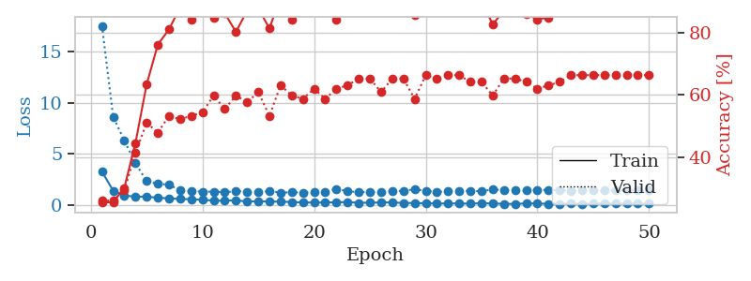
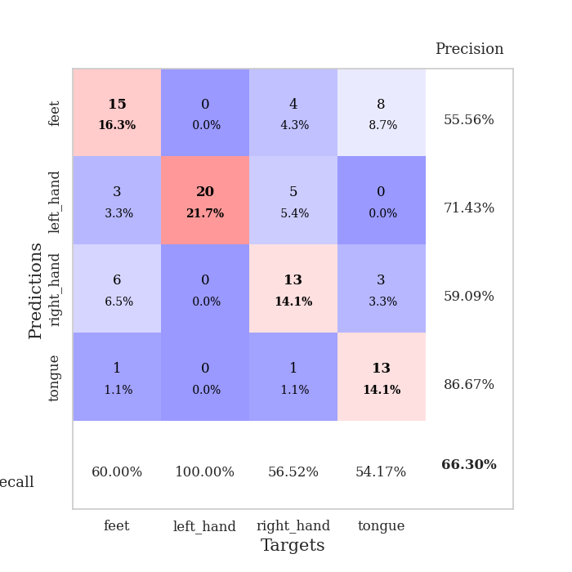
train_loss | valid_loss | train_accuracy | valid_accuracy | dur | train_misclass | valid_misclass
3.2470735622 | 17.550184996 | 0.25543478261 | 0.26086956522 | 0.086042404175 | 25.543478261 | 26.086956522
1.3836708069 | 8.6406222219 | 0.25543478261 | 0.26086956522 | 0.08722615242 | 25.543478261 | 26.086956522
0.9126997616 | 6.2886651288 | 0.30163043478 | 0.29347826087 | 0.083399057388 | 30.163043478 | 29.347826087
0.78132232117 | 4.0751664431 | 0.44565217391 | 0.41304347826 | 0.082634925842 | 44.565217391 | 41.304347826
0.8021951849 | 2.3081781035 | 0.63315217391 | 0.51086956522 | 0.084102153778 | 63.315217391 | 51.086956522
0.67341823422 | 2.0353875057 | 0.76086956522 | 0.47826086957 | 0.083072423935 | 76.086956522 | 47.826086957
0.63465311151 | 1.9787566558 | 0.8097826087 | 0.53260869565 | 0.083490371704 | 80.97826087 | 53.260869565
0.564339411 | 1.403037517 | 0.88043478261 | 0.52173913043 | 0.083170890808 | 88.043478261 | 52.173913043
0.53527041751 | 1.3369262011 | 0.84239130435 | 0.53260869565 | 0.083018302917 | 84.239130435 | 53.260869565
0.4883903576 | 1.2825264983 | 0.89945652174 | 0.54347826087 | 0.083556175232 | 89.945652174 | 54.347826087
0.39788903814 | 1.2842558778 | 0.84782608696 | 0.59782608696 | 0.083662509918 | 84.782608696 | 59.782608696
0.3986146923 | 1.2252845142 | 0.86141304348 | 0.55434782609 | 0.082898378372 | 86.141304348 | 55.434782609
0.43229853135 | 1.331815844 | 0.80163043478 | 0.59782608696 | 0.083308935165 | 80.163043478 | 59.782608696
0.31030467444 | 1.2866453036 | 0.86956521739 | 0.57608695652 | 0.083201646805 | 86.956521739 | 57.608695652
0.34126472668 | 1.2033651964 | 0.8777173913 | 0.60869565217 | 0.083448886871 | 87.77173913 | 60.869565217
0.30313681584 | 1.3525835068 | 0.8125 | 0.53260869565 | 0.083477020264 | 81.25 | 53.260869565
0.31296199107 | 1.182600804 | 0.91576086957 | 0.63043478261 | 0.083400011063 | 91.576086957 | 63.043478261
0.25870206758 | 1.2266591891 | 0.83967391304 | 0.59782608696 | 0.083592176437 | 83.967391304 | 59.782608696
0.21543941266 | 1.1818049213 | 0.9347826087 | 0.58695652174 | 0.083721160889 | 93.47826087 | 58.695652174
0.21543429954 | 1.2663246186 | 0.9347826087 | 0.61956521739 | 0.094668626785 | 93.47826087 | 61.956521739
0.21449641316 | 1.2815830086 | 0.89945652174 | 0.58695652174 | 0.083605051041 | 89.945652174 | 58.695652174
0.23708823534 | 1.5570936618 | 0.84239130435 | 0.61956521739 | 0.083558082581 | 84.239130435 | 61.956521739
0.26274676815 | 1.3186313743 | 0.92119565217 | 0.63043478261 | 0.083007097244 | 92.119565217 | 63.043478261
0.18605694531 | 1.2328505361 | 0.92934782609 | 0.65217391304 | 0.083216667175 | 92.934782609 | 65.217391304
0.20130925318 | 1.2624452892 | 0.92391304348 | 0.65217391304 | 0.08340215683 | 92.391304348 | 65.217391304
0.21903997951 | 1.2391603252 | 0.89673913043 | 0.60869565217 | 0.083279848099 | 89.673913043 | 60.869565217
0.22754055108 | 1.3511206637 | 0.90489130435 | 0.65217391304 | 0.092744588852 | 90.489130435 | 65.217391304
0.16576640559 | 1.3490321325 | 0.91576086957 | 0.65217391304 | 0.087512016296 | 91.576086957 | 65.217391304
0.17099908189 | 1.5201359935 | 0.85597826087 | 0.58695652174 | 0.082973241806 | 85.597826087 | 58.695652174
0.13926172532 | 1.3462705249 | 0.89402173913 | 0.66304347826 | 0.082451105118 | 89.402173913 | 66.304347826
0.12235850841 | 1.2580426724 | 0.92391304348 | 0.65217391304 | 0.08318901062 | 92.391304348 | 65.217391304
0.11840564 | 1.3112396883 | 0.91576086957 | 0.66304347826 | 0.082035541534 | 91.576086957 | 66.304347826
0.13064927794 | 1.3338749823 | 0.89130434783 | 0.66304347826 | 0.082156419754 | 89.130434783 | 66.304347826
0.10136525673 | 1.362170774 | 0.88586956522 | 0.64130434783 | 0.082228422165 | 88.586956522 | 64.130434783
0.1560086829 | 1.3189172952 | 0.89945652174 | 0.64130434783 | 0.082248210907 | 89.945652174 | 64.130434783
0.11792448738 | 1.5038221297 | 0.82608695652 | 0.59782608696 | 0.082237243652 | 82.608695652 | 59.782608696
0.092945842882 | 1.4189809561 | 0.86956521739 | 0.65217391304 | 0.082232952118 | 86.956521739 | 65.217391304
0.075750770776 | 1.415600813 | 0.8777173913 | 0.65217391304 | 0.08275270462 | 87.77173913 | 65.217391304
0.13391909125 | 1.386352368 | 0.85869565217 | 0.64130434783 | 0.082342147827 | 85.869565217 | 64.130434783
0.11914902164 | 1.4535507119 | 0.84239130435 | 0.61956521739 | 0.082229375839 | 84.239130435 | 61.956521739
0.090624261485 | 1.4419415515 | 0.84782608696 | 0.63043478261 | 0.085075616837 | 84.782608696 | 63.043478261
0.084452141886 | 1.4103837532 | 0.86684782609 | 0.64130434783 | 0.084257125854 | 86.684782609 | 64.130434783
0.11400918379 | 1.3835067905 | 0.88043478261 | 0.66304347826 | 0.082882404327 | 88.043478261 | 66.304347826
0.080281831608 | 1.3876888804 | 0.88315217391 | 0.66304347826 | 0.082931280136 | 88.315217391 | 66.304347826
0.10798825789 | 1.4028330264 | 0.875 | 0.66304347826 | 0.082369089127 | 87.5 | 66.304347826
0.1121427697 | 1.4019859459 | 0.8777173913 | 0.66304347826 | 0.082391262054 | 87.77173913 | 66.304347826
0.099651099142 | 1.3965501941 | 0.88043478261 | 0.66304347826 | 0.08255314827 | 88.043478261 | 66.304347826
0.099726257805 | 1.3942692435 | 0.88043478261 | 0.66304347826 | 0.082529783249 | 88.043478261 | 66.304347826
0.1081027996 | 1.3900753882 | 0.88043478261 | 0.66304347826 | 0.08203625679 | 88.043478261 | 66.304347826
0.09925672169 | 1.3866031481 | 0.88586956522 | 0.66304347826 | 0.082420825958 | 88.586956522 | 66.304347826

Best Val accuracy is 0.6630434782608695 and Best test accuracy is 0.603448275862069

