Sheet
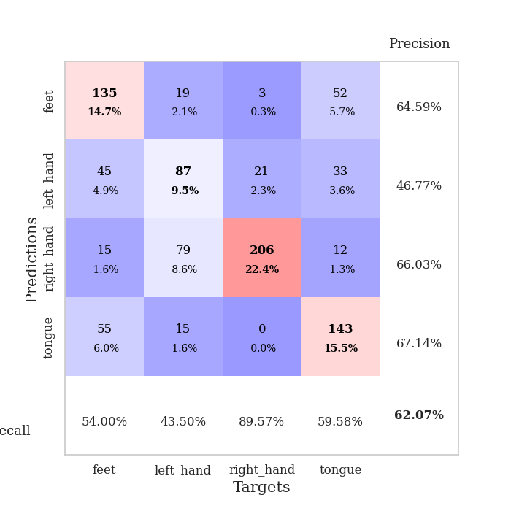
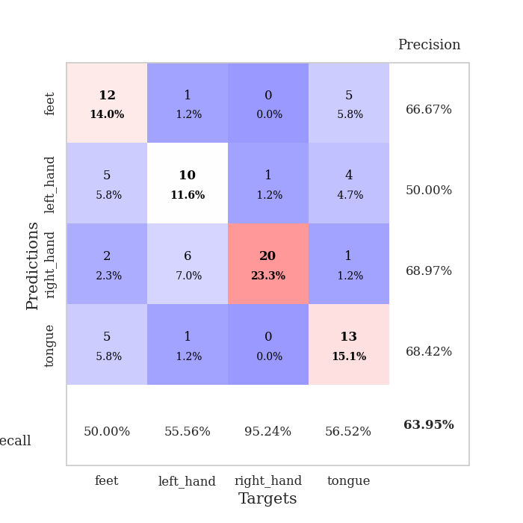
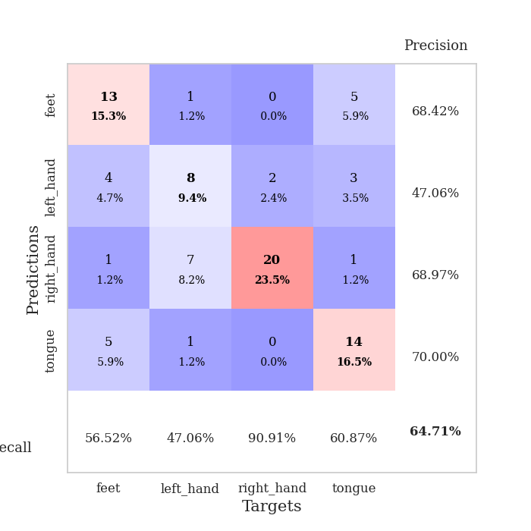
best_val_acc | best_val_los | best_test_acc
0.64130434783 | 1.0238267572 | 0.56896551724
0.64130434783 | 0.91945910972 | 0.55172413793
0.55434782609 | 1.0565750677 | 0.51724137931
0.61956521739 | 1.0523212837 | 0.56896551724
0.58695652174 | 0.98745400102 | 0.54310344828
0.65217391304 | 1.0777746517 | 0.56896551724
0.59782608696 | 1.1453840733 | 0.56034482759
0.59782608696 | 1.1215112831 | 0.51724137931
0.70652173913 | 0.79802562879 | 0.62068965517
0.60869565217 | 1.0813059522 | 0.52586206897

Mean,std Val accuracy is 0.6206521739130435 , 0.042082050458651044 and mean, std test accuracy is 0.5543103448275861 , 0.03122811031470611
best_val_acc | best_val_los | best_test_acc
0.72826086957 | 0.91011925236 | 0.56034482759
0.69565217391 | 0.87863903979 | 0.59482758621
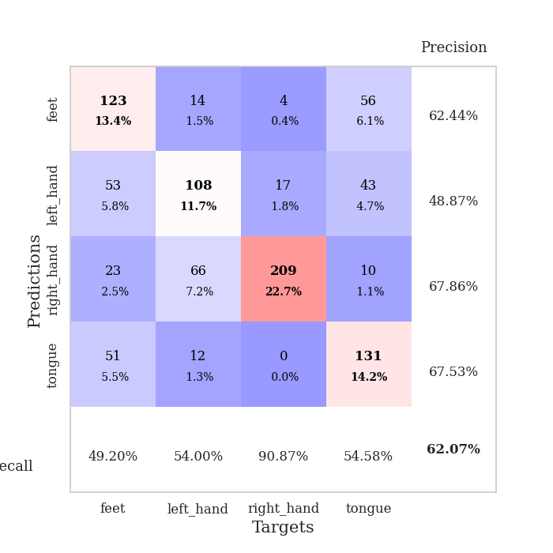
0.6847826087 | 0.92202400125 | 0.56896551724
0.54347826087 | 1.2453339022 | 0.5
0.58695652174 | 1.1082783652 | 0.48275862069
0.54347826087 | 1.058948649 | 0.4224137931
0.61956521739 | 1.1232597361 | 0.46551724138
0.57608695652 | 1.2128901715 | 0.53448275862
0.65217391304 | 0.89969912042 | 0.62931034483
0.57608695652 | 1.2011640694 | 0.53448275862

Mean,std Val accuracy is 0.6206521739130435 , 0.06610705580448398 and mean, std test accuracy is 0.5293103448275862 , 0.06272008416440598

Sheet1
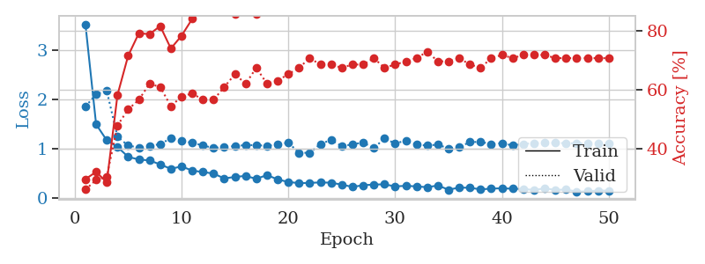
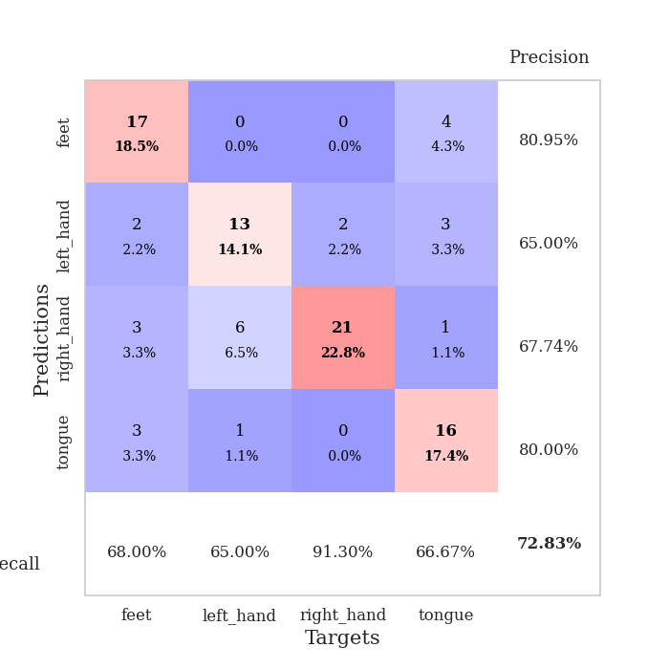
train_loss | valid_loss | train_accuracy | valid_accuracy | dur | train_misclass | valid_misclass
2.9291292066 | 3.9048860177 | 0.24184782609 | 0.27173913043 | 0.089095830917 | 24.184782609 | 27.173913043
1.3471178672 | 3.4016769347 | 0.25543478261 | 0.26086956522 | 0.08184671402 | 25.543478261 | 26.086956522
1.0844779403 | 1.9697463616 | 0.34510869565 | 0.30434782609 | 0.081426382065 | 34.510869565 | 30.434782609
0.94080068754 | 1.2191718143 | 0.65217391304 | 0.5 | 0.085095643997 | 65.217391304 | 50
0.82006334999 | 1.0238267572 | 0.76630434783 | 0.54347826087 | 0.085565805435 | 76.630434783 | 54.347826087
0.8099110269 | 1.1033544748 | 0.72282608696 | 0.54347826087 | 0.082297801971 | 72.282608696 | 54.347826087
0.72084443854 | 1.0880526058 | 0.76086956522 | 0.5652173913 | 0.082037448883 | 76.086956522 | 56.52173913
0.65725791584 | 1.5034486833 | 0.61141304348 | 0.51086956522 | 0.082278966904 | 61.141304348 | 51.086956522
0.66237365292 | 1.2019592575 | 0.79619565217 | 0.54347826087 | 0.081692457199 | 79.619565217 | 54.347826087
0.61469810942 | 1.2744008951 | 0.70652173913 | 0.60869565217 | 0.08193731308 | 70.652173913 | 60.869565217
0.61087600174 | 1.1353405753 | 0.83152173913 | 0.5652173913 | 0.082149982452 | 83.152173913 | 56.52173913
0.58488363287 | 1.1249175188 | 0.85597826087 | 0.58695652174 | 0.082499027252 | 85.597826087 | 58.695652174
0.55063552507 | 1.1250537129 | 0.84510869565 | 0.59782608696 | 0.081872940063 | 84.510869565 | 59.782608696
0.49664032459 | 1.1775895824 | 0.8097826087 | 0.60869565217 | 0.082327365875 | 80.97826087 | 60.869565217
0.50224724282 | 1.1718033565 | 0.86684782609 | 0.58695652174 | 0.082039117813 | 86.684782609 | 58.695652174
0.45375774153 | 1.200422447 | 0.88858695652 | 0.58695652174 | 0.082360506058 | 88.858695652 | 58.695652174
0.46829416182 | 1.268649766 | 0.88586956522 | 0.48913043478 | 0.084364175797 | 88.586956522 | 48.913043478
0.40656240479 | 1.1945474938 | 0.92934782609 | 0.51086956522 | 0.082470178604 | 92.934782609 | 51.086956522
0.36896153961 | 1.2152502278 | 0.91304347826 | 0.57608695652 | 0.081966161728 | 91.304347826 | 57.608695652
0.37303759611 | 1.1032044207 | 0.9402173913 | 0.61956521739 | 0.082322835922 | 94.02173913 | 61.956521739
0.40775389743 | 1.3047375524 | 0.88315217391 | 0.58695652174 | 0.082249164581 | 88.315217391 | 58.695652174
0.36378835077 | 1.1970539158 | 0.92934782609 | 0.5 | 0.082185506821 | 92.934782609 | 50
0.39648534487 | 1.2039846162 | 0.9402173913 | 0.59782608696 | 0.081927061081 | 94.02173913 | 59.782608696
0.36018885445 | 1.2208214337 | 0.89402173913 | 0.63043478261 | 0.082017421722 | 89.402173913 | 63.043478261
0.38676102297 | 1.2285505417 | 0.92663043478 | 0.51086956522 | 0.082473993301 | 92.663043478 | 51.086956522
0.33027896415 | 1.1679885271 | 0.92119565217 | 0.5 | 0.082011461258 | 92.119565217 | 50
0.32972321821 | 1.1958317776 | 0.95108695652 | 0.55434782609 | 0.082113265991 | 95.108695652 | 55.434782609
0.30384068353 | 1.0889016189 | 0.96467391304 | 0.61956521739 | 0.082206487656 | 96.467391304 | 61.956521739
0.3451370017 | 1.1334844931 | 0.95652173913 | 0.58695652174 | 0.082372665405 | 95.652173913 | 58.695652174
0.32738364553 | 1.1162153061 | 0.97826086957 | 0.58695652174 | 0.085181951523 | 97.826086957 | 58.695652174
0.27248934818 | 1.1931281608 | 0.94565217391 | 0.57608695652 | 0.083648204803 | 94.565217391 | 57.608695652
0.29954684591 | 1.2032752756 | 0.95108695652 | 0.5652173913 | 0.084249734879 | 95.108695652 | 56.52173913
0.27026398642 | 1.1652231216 | 0.9402173913 | 0.59782608696 | 0.081800222397 | 94.02173913 | 59.782608696
0.30001889752 | 1.1371802979 | 0.95923913043 | 0.58695652174 | 0.081850290298 | 95.923913043 | 58.695652174
0.24962097585 | 1.1932225817 | 0.9347826087 | 0.59782608696 | 0.08193063736 | 93.47826087 | 59.782608696
0.29585524681 | 1.1552337272 | 0.95108695652 | 0.58695652174 | 0.081712007523 | 95.108695652 | 58.695652174
0.23867520123 | 1.1718104372 | 0.95108695652 | 0.58695652174 | 0.081626415253 | 95.108695652 | 58.695652174
0.24992358296 | 1.1753420441 | 0.94293478261 | 0.64130434783 | 0.08175444603 | 94.293478261 | 64.130434783
0.25232005605 | 1.1838174119 | 0.9375 | 0.63043478261 | 0.082101345062 | 93.75 | 63.043478261
0.24624125465 | 1.1523656748 | 0.94836956522 | 0.60869565217 | 0.081770181656 | 94.836956522 | 60.869565217
0.22621596183 | 1.1295058449 | 0.95380434783 | 0.59782608696 | 0.081791877747 | 95.380434783 | 59.782608696
0.19324191255 | 1.1321214366 | 0.95652173913 | 0.60869565217 | 0.081851005554 | 95.652173913 | 60.869565217
0.21140341072 | 1.1574192987 | 0.95380434783 | 0.59782608696 | 0.081889390945 | 95.380434783 | 59.782608696
0.22178197555 | 1.1611851499 | 0.95380434783 | 0.5652173913 | 0.081772327423 | 95.380434783 | 56.52173913
0.25800677162 | 1.1597941174 | 0.95923913043 | 0.5652173913 | 0.08184838295 | 95.923913043 | 56.52173913
0.23069364221 | 1.1537836291 | 0.95923913043 | 0.57608695652 | 0.084441184998 | 95.923913043 | 57.608695652
0.2593990911 | 1.1581594847 | 0.95652173913 | 0.57608695652 | 0.08172917366 | 95.652173913 | 57.608695652
0.23981309941 | 1.1582517734 | 0.95652173913 | 0.57608695652 | 0.081861257553 | 95.652173913 | 57.608695652
0.21182178771 | 1.1577037191 | 0.95923913043 | 0.57608695652 | 0.081999063492 | 95.923913043 | 57.608695652
0.22937074498 | 1.1572254948 | 0.95923913043 | 0.57608695652 | 0.081894636154 | 95.923913043 | 57.608695652

Best Val accuracy is 0.6413043478260869 and Best test accuracy is 0.5689655172413793
train_loss | valid_loss | train_accuracy | valid_accuracy | dur | train_misclass | valid_misclass
3.5207731776 | 1.8491339165 | 0.29619565217 | 0.26086956522 | 0.097687482834 | 29.619565217 | 26.086956522
1.4892107767 | 2.1017021822 | 0.32065217391 | 0.29347826087 | 0.091601371765 | 32.065217391 | 29.347826087
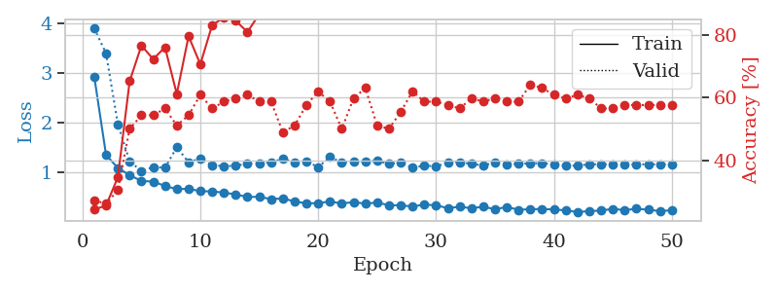
1.165770002 | 2.1679284728 | 0.28532608696 | 0.30434782609 | 0.086371421814 | 28.532608696 | 30.434782609
1.0305061314 | 1.2371820341 | 0.58152173913 | 0.47826086957 | 0.084424972534 | 58.152173913 | 47.826086957
0.83104029687 | 1.0592813932 | 0.71467391304 | 0.53260869565 | 0.084360361099 | 71.467391304 | 53.260869565
0.77575741125 | 1.0184386891 | 0.79076086957 | 0.5652173913 | 0.24237418175 | 79.076086957 | 56.52173913
0.75881515379 | 1.0465153378 | 0.78804347826 | 0.61956521739 | 0.095274209976 | 78.804347826 | 61.956521739
0.67591384572 | 1.0911821075 | 0.8152173913 | 0.60869565217 | 0.090457677841 | 81.52173913 | 60.869565217
0.5873499422 | 1.2052878841 | 0.73913043478 | 0.54347826087 | 0.089054107666 | 73.913043478 | 54.347826087
0.63672298452 | 1.1564091081 | 0.78260869565 | 0.57608695652 | 0.084504127502 | 78.260869565 | 57.608695652
0.55098791485 | 1.1133561575 | 0.83967391304 | 0.58695652174 | 0.084376335144 | 83.967391304 | 58.695652174
0.52272105606 | 1.0624543195 | 0.88315217391 | 0.5652173913 | 0.25922107697 | 88.315217391 | 56.52173913
0.49110600287 | 1.0085365539 | 0.91304347826 | 0.5652173913 | 0.096386432648 | 91.304347826 | 56.52173913
0.39260719846 | 1.0323686159 | 0.89402173913 | 0.60869565217 | 0.091044902802 | 89.402173913 | 60.869565217
0.42316872983 | 1.0471019758 | 0.85597826087 | 0.65217391304 | 0.087386131287 | 85.597826087 | 65.217391304
0.44435126108 | 1.070480922 | 0.88586956522 | 0.61956521739 | 0.083607912064 | 88.586956522 | 61.956521739
0.38360376656 | 1.0665359044 | 0.85597826087 | 0.67391304348 | 0.083302259445 | 85.597826087 | 67.391304348
0.46214842602 | 1.0563174512 | 0.8722826087 | 0.61956521739 | 0.3380613327 | 87.22826087 | 61.956521739
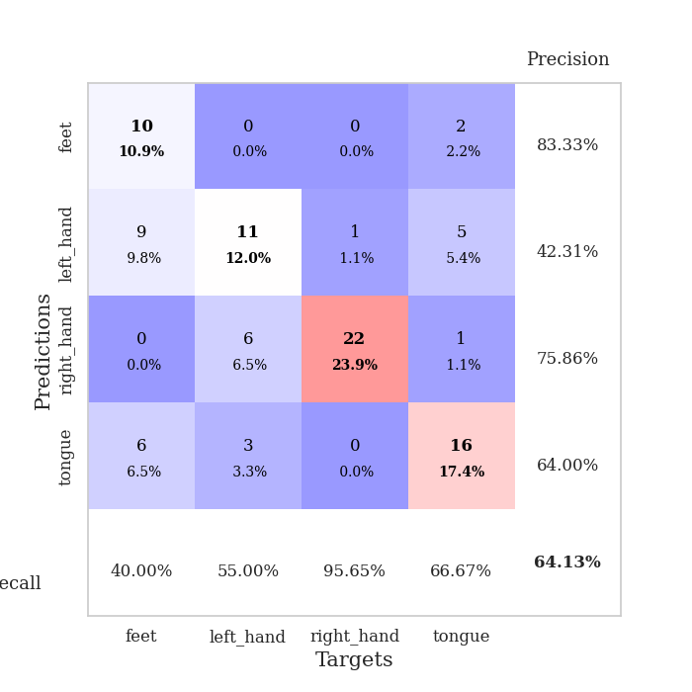
0.37131213753 | 1.0820966557 | 0.91304347826 | 0.63043478261 | 0.096128940582 | 91.304347826 | 63.043478261
0.32121785698 | 1.1193573475 | 0.875 | 0.65217391304 | 0.091035842896 | 87.5 | 65.217391304
0.29666449939 | 0.91011925236 | 0.94293478261 | 0.67391304348 | 0.086624860764 | 94.293478261 | 67.391304348
0.30299826549 | 0.91413730253 | 0.94293478261 | 0.70652173913 | 0.083877801895 | 94.293478261 | 70.652173913
0.31118575322 | 1.0907471608 | 0.90760869565 | 0.6847826087 | 0.083781957626 | 90.760869565 | 68.47826087
0.30635689814 | 1.1752557003 | 0.90489130435 | 0.6847826087 | 0.34329557419 | 90.489130435 | 68.47826087
0.26692262195 | 1.0478066737 | 0.94293478261 | 0.67391304348 | 0.09702539444 | 94.293478261 | 67.391304348
0.22139520069 | 1.0834736876 | 0.93206521739 | 0.6847826087 | 0.091371536255 | 93.206521739 | 68.47826087
0.25434760847 | 1.1205676768 | 0.91576086957 | 0.6847826087 | 0.090657949448 | 91.576086957 | 68.47826087
0.26896931911 | 1.0095430859 | 0.95108695652 | 0.70652173913 | 0.084362506866 | 95.108695652 | 70.652173913
0.27262326881 | 1.2013677929 | 0.89130434783 | 0.67391304348 | 0.084678888321 | 89.130434783 | 67.391304348
0.23140799805 | 1.1026223328 | 0.91576086957 | 0.6847826087 | 0.35657858849 | 91.576086957 | 68.47826087
0.24251906898 | 1.1592721758 | 0.91304347826 | 0.69565217391 | 0.096681118011 | 91.304347826 | 69.565217391
0.23146371932 | 1.0783617626 | 0.92934782609 | 0.70652173913 | 0.091341733932 | 92.934782609 | 70.652173913
0.21436775541 | 1.0599899305 | 0.9402173913 | 0.72826086957 | 0.08770942688 | 94.02173913 | 72.826086957
0.24947851054 | 1.0784724821 | 0.94836956522 | 0.69565217391 | 0.084650993347 | 94.836956522 | 69.565217391
0.1639872344 | 0.99815951741 | 0.94836956522 | 0.69565217391 | 0.084375143051 | 94.836956522 | 69.565217391
0.20741800964 | 1.0280687278 | 0.95923913043 | 0.70652173913 | 0.35981106758 | 95.923913043 | 70.652173913
0.20281271215 | 1.1297990511 | 0.9347826087 | 0.6847826087 | 0.09695649147 | 93.47826087 | 68.47826087
0.17081782902 | 1.1346123815 | 0.9375 | 0.67391304348 | 0.091332435608 | 93.75 | 67.391304348
0.18581975316 | 1.0881441793 | 0.94836956522 | 0.70652173913 | 0.08830165863 | 94.836956522 | 70.652173913
0.19277378649 | 1.1098948315 | 0.94836956522 | 0.71739130435 | 0.084433078766 | 94.836956522 | 71.739130435
0.18353312876 | 1.0598048594 | 0.97010869565 | 0.70652173913 | 0.084264278412 | 97.010869565 | 70.652173913
0.1793191535 | 1.0924689005 | 0.96195652174 | 0.71739130435 | 0.32477974892 | 96.195652174 | 71.739130435
0.1579614608 | 1.1069935405 | 0.94565217391 | 0.71739130435 | 0.099046468735 | 94.565217391 | 71.739130435
0.19128893786 | 1.1139076184 | 0.94836956522 | 0.71739130435 | 0.092074394226 | 94.836956522 | 71.739130435
0.15970357572 | 1.1119578235 | 0.95380434783 | 0.70652173913 | 0.088752031326 | 95.380434783 | 70.652173913
0.16612144754 | 1.107776844 | 0.96195652174 | 0.70652173913 | 0.084420204163 | 96.195652174 | 70.652173913
0.12529846564 | 1.103871111 | 0.96195652174 | 0.70652173913 | 0.086592435837 | 96.195652174 | 70.652173913
0.12965414454 | 1.1012709141 | 0.96195652174 | 0.70652173913 | 0.31909894943 | 96.195652174 | 70.652173913
0.14734007272 | 1.0992781118 | 0.96739130435 | 0.70652173913 | 0.096602678299 | 96.739130435 | 70.652173913
0.14317100025 | 1.0973190173 | 0.96739130435 | 0.70652173913 | 0.092743635178 | 96.739130435 | 70.652173913

Best Val accuracy is 0.7282608695652174 and Best test accuracy is 0.5603448275862069

Sheet2
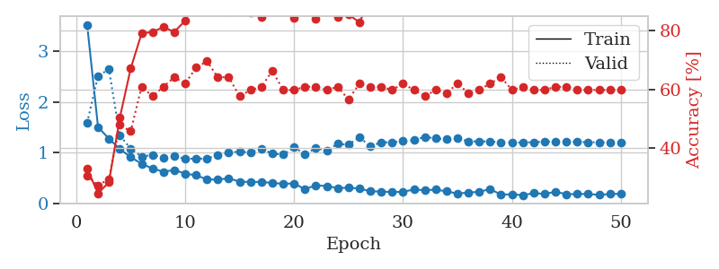
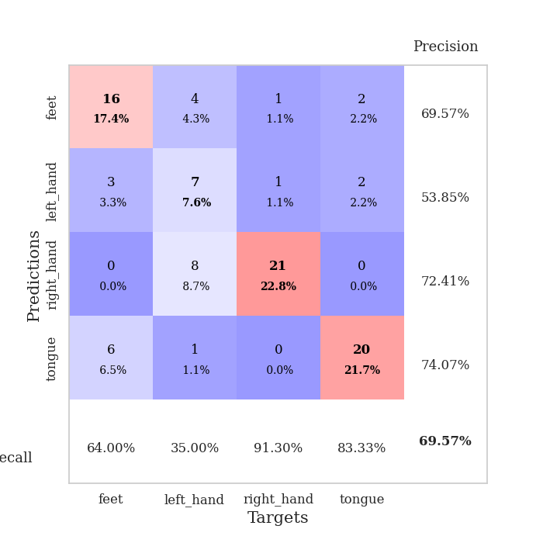
train_loss | valid_loss | train_accuracy | valid_accuracy | dur | train_misclass | valid_misclass
3.5853432676 | 1.7931404788 | 0.28260869565 | 0.34782608696 | 0.083250284195 | 28.260869565 | 34.782608696
1.9091160297 | 2.5392173788 | 0.27445652174 | 0.28260869565 | 0.081462860107 | 27.445652174 | 28.260869565
1.4194239689 | 2.5285107882 | 0.3125 | 0.28260869565 | 0.081428766251 | 31.25 | 28.260869565
1.1811557542 | 1.9718824677 | 0.39130434783 | 0.29347826087 | 0.081710100174 | 39.130434783 | 29.347826087
1.0507944252 | 1.3260582374 | 0.59239130435 | 0.38043478261 | 0.081586122513 | 59.239130435 | 38.043478261
0.90988493484 | 1.1189106755 | 0.69836956522 | 0.48913043478 | 0.081766843796 | 69.836956522 | 48.913043478
0.82557964066 | 1.2242573707 | 0.69565217391 | 0.46739130435 | 0.081990480423 | 69.565217391 | 46.739130435
0.75052377193 | 1.0783780632 | 0.79347826087 | 0.54347826087 | 0.08173584938 | 79.347826087 | 54.347826087
0.67127493413 | 0.91945910972 | 0.81793478261 | 0.57608695652 | 0.082223653793 | 81.793478261 | 57.608695652
0.71076500545 | 1.0576055983 | 0.78532608696 | 0.55434782609 | 0.084604501724 | 78.532608696 | 55.434782609
0.63089557057 | 1.0000398146 | 0.8722826087 | 0.5652173913 | 0.082300901413 | 87.22826087 | 56.52173913
0.57328622885 | 0.92961734274 | 0.88043478261 | 0.63043478261 | 0.082016468048 | 88.043478261 | 63.043478261
0.53889971324 | 0.98397453712 | 0.88315217391 | 0.44565217391 | 0.08390545845 | 88.315217391 | 44.565217391
0.53173441667 | 1.0695660944 | 0.875 | 0.52173913043 | 0.082640647888 | 87.5 | 52.173913043
0.53060829251 | 1.0461582541 | 0.89945652174 | 0.52173913043 | 0.082364559174 | 89.945652174 | 52.173913043
0.52654281647 | 1.0469309843 | 0.89945652174 | 0.55434782609 | 0.08171081543 | 89.945652174 | 55.434782609
0.47330737956 | 1.1772120051 | 0.78260869565 | 0.53260869565 | 0.082046508789 | 78.260869565 | 53.260869565
0.42116554276 | 1.1002726853 | 0.85869565217 | 0.59782608696 | 0.082123279572 | 85.869565217 | 59.782608696
0.39816133808 | 1.196103267 | 0.83967391304 | 0.55434782609 | 0.081973314285 | 83.967391304 | 55.434782609
0.3714333507 | 1.3576761018 | 0.7527173913 | 0.54347826087 | 0.082103490829 | 75.27173913 | 54.347826087
0.36803336668 | 1.3699324559 | 0.79891304348 | 0.53260869565 | 0.081960201263 | 79.891304348 | 53.260869565
0.38982389608 | 1.2367809739 | 0.79347826087 | 0.59782608696 | 0.082025051117 | 79.347826087 | 59.782608696
0.37133935612 | 1.0812959645 | 0.91576086957 | 0.58695652174 | 0.081799268723 | 91.576086957 | 58.695652174
0.39232101259 | 1.0953223887 | 0.875 | 0.60869565217 | 0.081937789917 | 87.5 | 60.869565217
0.29043755389 | 1.1230356577 | 0.89945652174 | 0.59782608696 | 0.081896066666 | 89.945652174 | 59.782608696
0.26492399172 | 1.0948256138 | 0.91032608696 | 0.57608695652 | 0.082065105438 | 91.032608696 | 57.608695652
0.2665603028 | 1.1061869523 | 0.9347826087 | 0.60869565217 | 0.081939935684 | 93.47826087 | 60.869565217
0.2488819513 | 1.2245268809 | 0.90217391304 | 0.57608695652 | 0.081893205643 | 90.217391304 | 57.608695652
0.30129251338 | 1.170704738 | 0.9402173913 | 0.55434782609 | 0.081913232803 | 94.02173913 | 55.434782609
0.27911677114 | 1.2844412197 | 0.89945652174 | 0.54347826087 | 0.08225440979 | 89.945652174 | 54.347826087
0.26761264127 | 1.1778414483 | 0.91576086957 | 0.5652173913 | 0.081755161285 | 91.576086957 | 56.52173913
0.22174261316 | 1.1483111641 | 0.91032608696 | 0.57608695652 | 0.08189368248 | 91.032608696 | 57.608695652
0.2509060813 | 1.187451049 | 0.89402173913 | 0.59782608696 | 0.081891298294 | 89.402173913 | 59.782608696
0.23866793125 | 1.2041001735 | 0.88586956522 | 0.64130434783 | 0.082007646561 | 88.586956522 | 64.130434783
0.2097677271 | 1.1638159804 | 0.90217391304 | 0.63043478261 | 0.082135915756 | 90.217391304 | 63.043478261
0.18800968952 | 1.1654897151 | 0.91032608696 | 0.60869565217 | 0.081875562668 | 91.032608696 | 60.869565217
0.2464065095 | 1.225454057 | 0.90760869565 | 0.59782608696 | 0.081857681274 | 90.760869565 | 59.782608696
0.27788602431 | 1.2062168562 | 0.91576086957 | 0.61956521739 | 0.082028388977 | 91.576086957 | 61.956521739
0.20723530974 | 1.2088417929 | 0.90760869565 | 0.5652173913 | 0.081966161728 | 90.760869565 | 56.52173913
0.21423117622 | 1.2460612992 | 0.89945652174 | 0.57608695652 | 0.081863164902 | 89.945652174 | 57.608695652
0.23268454182 | 1.1872016736 | 0.93206521739 | 0.57608695652 | 0.08184170723 | 93.206521739 | 57.608695652
0.21751014945 | 1.2155150616 | 0.92391304348 | 0.60869565217 | 0.081924200058 | 92.391304348 | 60.869565217
0.20396385358 | 1.2050860239 | 0.92663043478 | 0.58695652174 | 0.082077503204 | 92.663043478 | 58.695652174
0.16604027687 | 1.2018124306 | 0.92663043478 | 0.58695652174 | 0.082137346268 | 92.663043478 | 58.695652174
0.18854489526 | 1.199651161 | 0.92391304348 | 0.58695652174 | 0.081883192062 | 92.391304348 | 58.695652174
0.15171256022 | 1.1992908457 | 0.92663043478 | 0.58695652174 | 0.082116603851 | 92.663043478 | 58.695652174
0.20376567802 | 1.1953536039 | 0.92663043478 | 0.58695652174 | 0.081995487213 | 92.663043478 | 58.695652174
0.22320456754 | 1.1916524029 | 0.92934782609 | 0.58695652174 | 0.082111597061 | 92.934782609 | 58.695652174
0.18092470478 | 1.1886619653 | 0.92934782609 | 0.58695652174 | 0.0819272995 | 92.934782609 | 58.695652174
0.14196684892 | 1.1869989569 | 0.92934782609 | 0.58695652174 | 0.081828832626 | 92.934782609 | 58.695652174

Best Val accuracy is 0.6413043478260869 and Best test accuracy is 0.5517241379310345
train_loss | valid_loss | train_accuracy | valid_accuracy | dur | train_misclass | valid_misclass
3.5307715665 | 1.5860349251 | 0.32880434783 | 0.30434782609 | 0.097947120667 | 32.880434783 | 30.434782609
1.5056043811 | 2.5171997236 | 0.24456521739 | 0.27173913043 | 0.093664646149 | 24.456521739 | 27.173913043
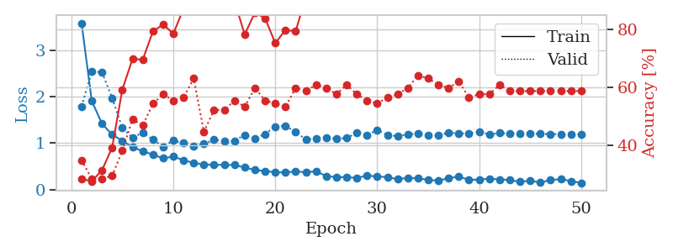
1.2745426271 | 2.647164718 | 0.28260869565 | 0.29347826087 | 0.089015722275 | 28.260869565 | 29.347826087
1.0710350767 | 1.3402222343 | 0.5027173913 | 0.47826086957 | 0.084300041199 | 50.27173913 | 47.826086957
0.90955510088 | 1.0770086827 | 0.67119565217 | 0.45652173913 | 0.086138963699 | 67.119565217 | 45.652173913
0.77819625839 | 0.92167138794 | 0.79076086957 | 0.60869565217 | 0.33929157257 | 79.076086957 | 60.869565217
0.68428697146 | 0.95398744552 | 0.79619565217 | 0.57608695652 | 0.097202777863 | 79.619565217 | 57.608695652
0.62096971144 | 0.9026969127 | 0.8125 | 0.60869565217 | 0.092277765274 | 81.25 | 60.869565217
0.65536196076 | 0.92329309038 | 0.79619565217 | 0.64130434783 | 0.088805198669 | 79.619565217 | 64.130434783
0.5835602724 | 0.87863903979 | 0.83423913043 | 0.61956521739 | 0.084113121033 | 83.423913043 | 61.956521739
0.55051163876 | 0.88044971098 | 0.90760869565 | 0.67391304348 | 0.08427977562 | 90.760869565 | 67.391304348
0.46970795743 | 0.88133368155 | 0.89130434783 | 0.69565217391 | 0.36018323898 | 89.130434783 | 69.565217391
0.46547772314 | 0.94492928749 | 0.89945652174 | 0.64130434783 | 0.096742391586 | 89.945652174 | 64.130434783
0.49223508783 | 0.99842406745 | 0.86684782609 | 0.64130434783 | 0.090855121613 | 86.684782609 | 64.130434783
0.42297109638 | 1.0225047987 | 0.89673913043 | 0.57608695652 | 0.087502479553 | 89.673913043 | 57.608695652
0.41949336749 | 0.99740287921 | 0.86141304348 | 0.59782608696 | 0.084214448929 | 86.141304348 | 59.782608696
0.41885445656 | 1.079197653 | 0.84782608696 | 0.60869565217 | 0.084102392197 | 84.782608696 | 60.869565217
0.39953688467 | 0.97808664908 | 0.8722826087 | 0.66304347826 | 0.34204435349 | 87.22826087 | 66.304347826
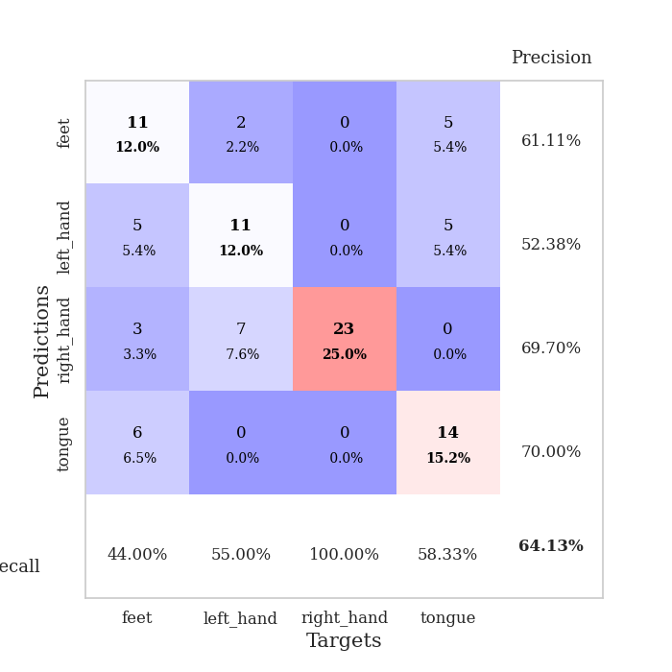
0.38210086006 | 0.95839857019 | 0.875 | 0.59782608696 | 0.097033262253 | 87.5 | 59.782608696
0.38871774984 | 1.1091332669 | 0.84239130435 | 0.59782608696 | 0.091116428375 | 84.239130435 | 59.782608696
0.27411277398 | 0.96253567545 | 0.91032608696 | 0.60869565217 | 0.087736368179 | 91.032608696 | 60.869565217
0.35351686957 | 1.0894178955 | 0.83967391304 | 0.60869565217 | 0.084105491638 | 83.967391304 | 60.869565217
0.33694588037 | 1.037369456 | 0.92934782609 | 0.59782608696 | 0.084126234055 | 92.934782609 | 59.782608696
0.29969525758 | 1.1718360108 | 0.84782608696 | 0.60869565217 | 0.32305049896 | 84.782608696 | 60.869565217
0.30319908391 | 1.1559567244 | 0.85597826087 | 0.5652173913 | 0.096998691559 | 85.597826087 | 56.52173913
0.29026339657 | 1.3041368645 | 0.82880434783 | 0.61956521739 | 0.092154741287 | 82.880434783 | 61.956521739
0.23334275316 | 1.1214719026 | 0.90760869565 | 0.60869565217 | 0.089071273804 | 90.760869565 | 60.869565217
0.2295394786 | 1.2045759662 | 0.89402173913 | 0.60869565217 | 0.084345579147 | 89.402173913 | 60.869565217
0.21760834349 | 1.1993189998 | 0.92391304348 | 0.59782608696 | 0.086441755295 | 92.391304348 | 59.782608696
0.22446560147 | 1.2258742814 | 0.875 | 0.61956521739 | 0.33976054192 | 87.5 | 61.956521739
0.26862891601 | 1.2446916492 | 0.88043478261 | 0.59782608696 | 0.10508441925 | 88.043478261 | 59.782608696
0.25538217244 | 1.311574634 | 0.88043478261 | 0.57608695652 | 0.09441280365 | 88.043478261 | 57.608695652
0.26685955132 | 1.2795332696 | 0.90760869565 | 0.59782608696 | 0.087629079819 | 90.760869565 | 59.782608696
0.2327272905 | 1.2666450389 | 0.92663043478 | 0.58695652174 | 0.083937883377 | 92.663043478 | 58.695652174
0.1893378386 | 1.2847074931 | 0.92663043478 | 0.61956521739 | 0.083636760712 | 92.663043478 | 61.956521739
0.20822451701 | 1.2228604503 | 0.93206521739 | 0.58695652174 | 0.31989049911 | 93.206521739 | 58.695652174
0.2246924527 | 1.2193257912 | 0.92663043478 | 0.59782608696 | 0.096256017685 | 92.663043478 | 59.782608696
0.27713951436 | 1.2221540731 | 0.9402173913 | 0.61956521739 | 0.094659805298 | 94.02173913 | 61.956521739
0.16711802457 | 1.2034710762 | 0.94293478261 | 0.64130434783 | 0.089487552643 | 94.293478261 | 64.130434783
0.17535203452 | 1.199365472 | 0.95380434783 | 0.59782608696 | 0.08434343338 | 95.380434783 | 59.782608696
0.1557523456 | 1.200424609 | 0.95652173913 | 0.60869565217 | 0.086218118668 | 95.652173913 | 60.869565217
0.19923127313 | 1.2051175055 | 0.95652173913 | 0.59782608696 | 0.32681059837 | 95.652173913 | 59.782608696
0.18115819084 | 1.2157329114 | 0.94565217391 | 0.59782608696 | 0.09694314003 | 94.565217391 | 59.782608696
0.22545080664 | 1.2176041201 | 0.94565217391 | 0.60869565217 | 0.092291355133 | 94.565217391 | 60.869565217
0.17550927028 | 1.2187425844 | 0.94565217391 | 0.60869565217 | 0.08881187439 | 94.565217391 | 60.869565217
0.18033242614 | 1.2130342968 | 0.94565217391 | 0.59782608696 | 0.085098028183 | 94.565217391 | 59.782608696
0.1825505389 | 1.2050786213 | 0.94565217391 | 0.59782608696 | 0.084721326828 | 94.565217391 | 59.782608696
0.16097637881 | 1.2019502015 | 0.94565217391 | 0.59782608696 | 0.21931672096 | 94.565217391 | 59.782608696
0.18121098905 | 1.2004517071 | 0.94565217391 | 0.59782608696 | 0.1087808609 | 94.565217391 | 59.782608696
0.1841130221 | 1.1984386457 | 0.94565217391 | 0.59782608696 | 0.093731641769 | 94.565217391 | 59.782608696

Best Val accuracy is 0.6956521739130435 and Best test accuracy is 0.5948275862068966

Sheet3
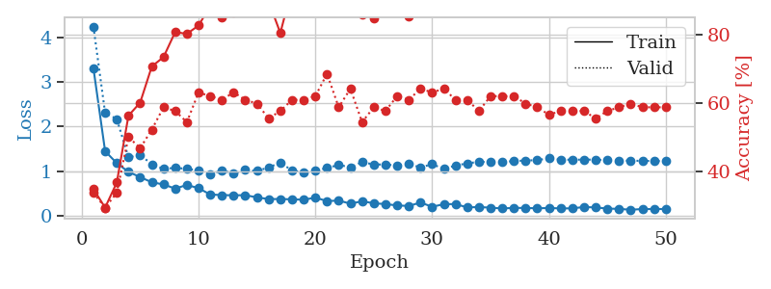
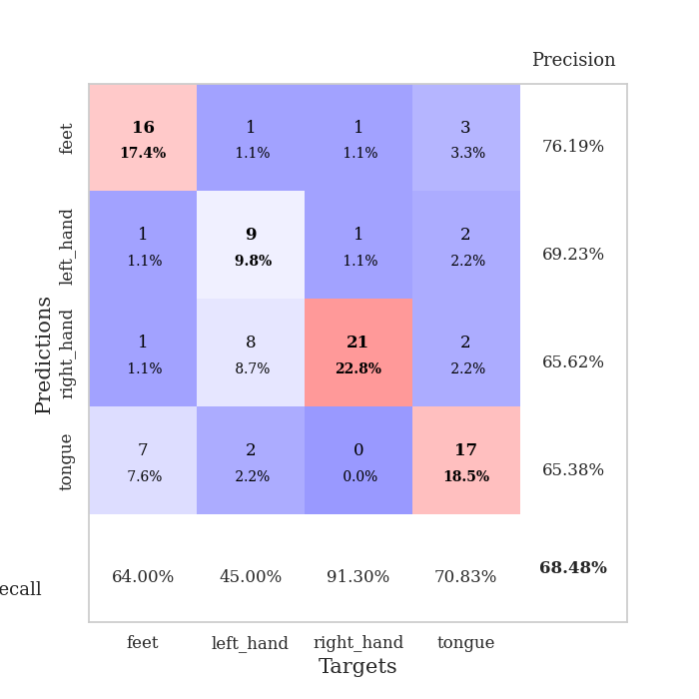
train_loss | valid_loss | train_accuracy | valid_accuracy | dur | train_misclass | valid_misclass
3.7561867444 | 3.2521062519 | 0.2527173913 | 0.26086956522 | 0.090309381485 | 25.27173913 | 26.086956522
1.5460724416 | 2.6298389694 | 0.29076086957 | 0.29347826087 | 0.087273359299 | 29.076086957 | 29.347826087
1.350290314 | 1.4764431093 | 0.44565217391 | 0.38043478261 | 0.082484483719 | 44.565217391 | 38.043478261
1.2024132998 | 1.2110540426 | 0.55434782609 | 0.45652173913 | 0.079072952271 | 55.434782609 | 45.652173913
1.038375388 | 1.1345175271 | 0.64130434783 | 0.48913043478 | 0.078670501709 | 64.130434783 | 48.913043478
0.90783743236 | 1.0878006453 | 0.6902173913 | 0.53260869565 | 0.0788667202 | 69.02173913 | 53.260869565
0.83991813401 | 1.0565750677 | 0.75 | 0.48913043478 | 0.079234361649 | 75 | 48.913043478
0.76809043988 | 1.1758036536 | 0.70923913043 | 0.55434782609 | 0.078737974167 | 70.923913043 | 55.434782609
0.77989021851 | 1.2120485954 | 0.73369565217 | 0.52173913043 | 0.078984260559 | 73.369565217 | 52.173913043
0.72297679082 | 1.1599946385 | 0.77717391304 | 0.52173913043 | 0.078726291656 | 77.717391304 | 52.173913043
0.67896353939 | 1.2134179628 | 0.80163043478 | 0.51086956522 | 0.078806638718 | 80.163043478 | 51.086956522
0.60649029327 | 1.1968261289 | 0.8722826087 | 0.54347826087 | 0.07882976532 | 87.22826087 | 54.347826087
0.58905001049 | 1.2799449161 | 0.8125 | 0.52173913043 | 0.082973241806 | 81.25 | 52.173913043
0.51673709957 | 1.3806481128 | 0.80706521739 | 0.51086956522 | 0.080973863602 | 80.706521739 | 51.086956522
0.53855661983 | 1.4624260832 | 0.85597826087 | 0.5 | 0.080055713654 | 85.597826087 | 50
0.48321363978 | 1.5852287256 | 0.78260869565 | 0.54347826087 | 0.079778671265 | 78.260869565 | 54.347826087
0.51604377446 | 1.5465028714 | 0.84510869565 | 0.51086956522 | 0.081355810165 | 84.510869565 | 51.086956522
0.46042401959 | 1.6894997423 | 0.80163043478 | 0.48913043478 | 0.079533576965 | 80.163043478 | 48.913043478
0.42730392775 | 1.8624121961 | 0.77445652174 | 0.46739130435 | 0.079326868057 | 77.445652174 | 46.739130435
0.41807824438 | 1.5586584379 | 0.90217391304 | 0.51086956522 | 0.079552650452 | 90.217391304 | 51.086956522
0.43612472324 | 1.7004855146 | 0.89130434783 | 0.46739130435 | 0.079118490219 | 89.130434783 | 46.739130435
0.3445941524 | 1.7000198079 | 0.90489130435 | 0.51086956522 | 0.079345941544 | 90.489130435 | 51.086956522
0.39992568415 | 1.7719625597 | 0.79347826087 | 0.5 | 0.079375743866 | 79.347826087 | 50
0.40463837528 | 1.6873633006 | 0.89130434783 | 0.46739130435 | 0.079596042633 | 89.130434783 | 46.739130435
0.38099253566 | 1.607471378 | 0.91304347826 | 0.5 | 0.07915019989 | 91.304347826 | 50
0.34560107893 | 1.7689089775 | 0.84510869565 | 0.51086956522 | 0.079245567322 | 84.510869565 | 51.086956522
0.33028965217 | 1.71684403 | 0.90489130435 | 0.46739130435 | 0.079374074936 | 90.489130435 | 46.739130435
0.36294926282 | 1.6531984417 | 0.91576086957 | 0.47826086957 | 0.079210519791 | 91.576086957 | 47.826086957
0.27703276536 | 1.698989241 | 0.89945652174 | 0.53260869565 | 0.079644441605 | 89.945652174 | 53.260869565
0.28991883248 | 1.7126772637 | 0.91576086957 | 0.52173913043 | 0.079648017883 | 91.576086957 | 52.173913043
0.28887831711 | 1.8009462253 | 0.86413043478 | 0.54347826087 | 0.079204559326 | 86.413043478 | 54.347826087
0.27540672668 | 1.7041081942 | 0.90217391304 | 0.53260869565 | 0.0791888237 | 90.217391304 | 53.260869565
0.23504750398 | 1.6905494643 | 0.93206521739 | 0.54347826087 | 0.079225063324 | 93.206521739 | 54.347826087
0.2962780096 | 1.7611149575 | 0.9347826087 | 0.53260869565 | 0.079081296921 | 93.47826087 | 53.260869565
0.2831761675 | 1.7845145127 | 0.91847826087 | 0.48913043478 | 0.079400539398 | 91.847826087 | 48.913043478
0.24359377052 | 1.7293333152 | 0.9375 | 0.52173913043 | 0.079229831696 | 93.75 | 52.173913043
0.22959997991 | 1.7684112632 | 0.9375 | 0.51086956522 | 0.079174995422 | 93.75 | 51.086956522
0.23021517759 | 1.7492803983 | 0.94836956522 | 0.52173913043 | 0.079226255417 | 94.836956522 | 52.173913043
0.22647622001 | 1.7443598068 | 0.9347826087 | 0.52173913043 | 0.079147577286 | 93.47826087 | 52.173913043
0.25355038921 | 1.7420189458 | 0.9347826087 | 0.52173913043 | 0.082748651505 | 93.47826087 | 52.173913043
0.20580085529 | 1.7483206599 | 0.94836956522 | 0.53260869565 | 0.08020067215 | 94.836956522 | 53.260869565
0.19044190451 | 1.7591636336 | 0.95108695652 | 0.53260869565 | 0.079401493073 | 95.108695652 | 53.260869565
0.2320529689 | 1.7712566982 | 0.94836956522 | 0.53260869565 | 0.079219579697 | 94.836956522 | 53.260869565
0.22457461739 | 1.7414136296 | 0.95380434783 | 0.53260869565 | 0.079117059708 | 95.380434783 | 53.260869565
0.25638611712 | 1.723315765 | 0.95652173913 | 0.53260869565 | 0.079104423523 | 95.652173913 | 53.260869565
0.26282233065 | 1.7162642945 | 0.95652173913 | 0.53260869565 | 0.079080104828 | 95.652173913 | 53.260869565
0.27386801803 | 1.7057505716 | 0.96195652174 | 0.53260869565 | 0.07914185524 | 96.195652174 | 53.260869565
0.27207827633 | 1.7010017582 | 0.96195652174 | 0.53260869565 | 0.079397678375 | 96.195652174 | 53.260869565
0.2281775332 | 1.698355584 | 0.96195652174 | 0.53260869565 | 0.079311609268 | 96.195652174 | 53.260869565
0.23732180991 | 1.6968392367 | 0.96195652174 | 0.53260869565 | 0.078894615173 | 96.195652174 | 53.260869565

Best Val accuracy is 0.5543478260869565 and Best test accuracy is 0.5172413793103449
train_loss | valid_loss | train_accuracy | valid_accuracy | dur | train_misclass | valid_misclass
3.3058905083 | 4.2410779414 | 0.34782608696 | 0.33695652174 | 0.26573395729 | 34.782608696 | 33.695652174
1.4472725106 | 2.3033720618 | 0.29347826087 | 0.29347826087 | 0.093809843063 | 29.347826087 | 29.347826087
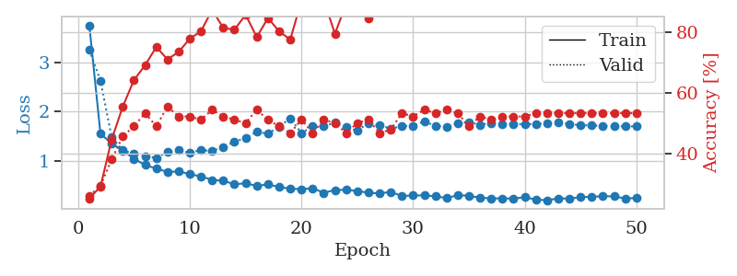
1.1787611842 | 2.1685715862 | 0.36684782609 | 0.33695652174 | 0.089307785034 | 36.684782609 | 33.695652174
0.98384926112 | 1.308468461 | 0.5625 | 0.5 | 0.085085391998 | 56.25 | 50
0.86541543188 | 1.3628740129 | 0.60054347826 | 0.46739130435 | 0.083546161652 | 60.054347826 | 46.739130435
0.75017774883 | 1.1534507041 | 0.70652173913 | 0.52173913043 | 0.083615541458 | 70.652173913 | 52.173913043
0.70163437724 | 1.0498065171 | 0.73369565217 | 0.58695652174 | 0.11593008041 | 73.369565217 | 58.695652174
0.60839199113 | 1.0738605909 | 0.80706521739 | 0.57608695652 | 0.097488880157 | 80.706521739 | 57.608695652
0.68992282774 | 1.0506903374 | 0.80163043478 | 0.54347826087 | 0.091900348663 | 80.163043478 | 54.347826087
0.61772225862 | 1.0183292809 | 0.82608695652 | 0.63043478261 | 0.08574461937 | 82.608695652 | 63.043478261
0.47599587233 | 0.92202400125 | 0.88315217391 | 0.61956521739 | 0.083946943283 | 88.315217391 | 61.956521739
0.46289831724 | 1.0177786428 | 0.85054347826 | 0.60869565217 | 0.084387540817 | 85.054347826 | 60.869565217
0.45841117009 | 0.94362676921 | 0.86413043478 | 0.63043478261 | 0.13721227646 | 86.413043478 | 63.043478261
0.46102738121 | 1.0248090936 | 0.8722826087 | 0.60869565217 | 0.099102497101 | 87.22826087 | 60.869565217
0.41125005224 | 1.0046829555 | 0.90217391304 | 0.59782608696 | 0.092997550964 | 90.217391304 | 59.782608696
0.37436625297 | 1.0803943225 | 0.89673913043 | 0.55434782609 | 0.085084438324 | 89.673913043 | 55.434782609
0.37392835708 | 1.1917992753 | 0.80434782609 | 0.57608695652 | 0.083755493164 | 80.434782609 | 57.608695652
0.36888665544 | 1.0133275908 | 0.9347826087 | 0.60869565217 | 0.084157705307 | 93.47826087 | 60.869565217
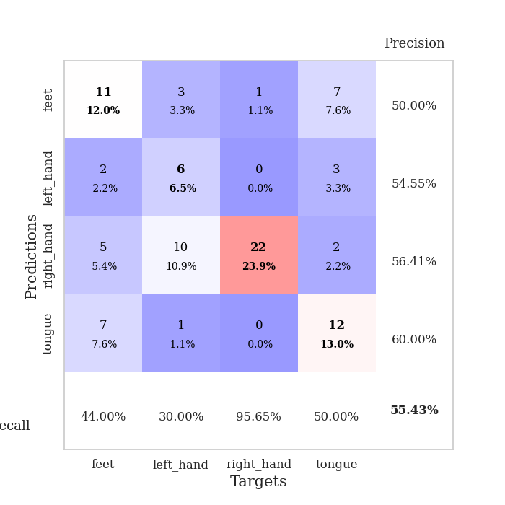
0.35857099197 | 0.97090130008 | 0.89130434783 | 0.60869565217 | 0.20489382744 | 89.130434783 | 60.869565217
0.40625705343 | 1.0088068921 | 0.89402173913 | 0.61956521739 | 0.094348192215 | 89.402173913 | 61.956521739
0.32835511928 | 1.0718983114 | 0.91032608696 | 0.6847826087 | 0.090519666672 | 91.032608696 | 68.47826087
0.34061175714 | 1.1378515181 | 0.875 | 0.58695652174 | 0.087059020996 | 87.5 | 58.695652174
0.2701057918 | 1.0880673994 | 0.89402173913 | 0.64130434783 | 0.084188461304 | 89.402173913 | 64.130434783
0.32453718004 | 1.2008651106 | 0.85869565217 | 0.54347826087 | 0.08414888382 | 85.869565217 | 54.347826087
0.27978980153 | 1.1495637349 | 0.84782608696 | 0.58695652174 | 0.35428547859 | 84.782608696 | 58.695652174
0.261170477 | 1.1484651151 | 0.90217391304 | 0.57608695652 | 0.095055580139 | 90.217391304 | 57.608695652
0.23097255956 | 1.1257359308 | 0.89673913043 | 0.61956521739 | 0.090992927551 | 89.673913043 | 61.956521739
0.2190263213 | 1.1568373053 | 0.85326086957 | 0.60869565217 | 0.08699464798 | 85.326086957 | 60.869565217
0.29636384126 | 1.0839659934 | 0.92119565217 | 0.64130434783 | 0.084664821625 | 92.119565217 | 64.130434783
0.20076289449 | 1.1550076811 | 0.90217391304 | 0.63043478261 | 0.083820104599 | 90.217391304 | 63.043478261
0.2592174921 | 1.0506595321 | 0.95380434783 | 0.64130434783 | 0.34198832512 | 95.380434783 | 64.130434783
0.26156635599 | 1.1242463355 | 0.91304347826 | 0.60869565217 | 0.097920417786 | 91.304347826 | 60.869565217
0.18623141005 | 1.173938746 | 0.89673913043 | 0.60869565217 | 0.091522216797 | 89.673913043 | 60.869565217
0.19526586584 | 1.2078192778 | 0.88858695652 | 0.57608695652 | 0.088196277618 | 88.858695652 | 57.608695652
0.18063181234 | 1.2053924332 | 0.91576086957 | 0.61956521739 | 0.083889007568 | 91.576086957 | 61.956521739
0.16306851707 | 1.2016631572 | 0.92119565217 | 0.61956521739 | 0.084309101105 | 92.119565217 | 61.956521739
0.17617177089 | 1.2270014519 | 0.91847826087 | 0.61956521739 | 0.32055854797 | 91.847826087 | 61.956521739
0.17407939437 | 1.2365325663 | 0.89945652174 | 0.59782608696 | 0.09568810463 | 89.945652174 | 59.782608696
0.16680842249 | 1.2469852048 | 0.91847826087 | 0.58695652174 | 0.09166097641 | 91.847826087 | 58.695652174
0.17321394392 | 1.2863547569 | 0.91576086957 | 0.5652173913 | 0.087974309921 | 91.576086957 | 56.52173913
0.16424140172 | 1.2561453296 | 0.91847826087 | 0.57608695652 | 0.084363222122 | 91.847826087 | 57.608695652
0.16522906899 | 1.2548344939 | 0.91576086957 | 0.57608695652 | 0.083327293396 | 91.576086957 | 57.608695652
0.19603325653 | 1.2580897601 | 0.91847826087 | 0.57608695652 | 0.11910486221 | 91.847826087 | 57.608695652
0.1850498283 | 1.2570079721 | 0.91847826087 | 0.55434782609 | 0.10843300819 | 91.847826087 | 55.434782609
0.16074816073 | 1.2443783879 | 0.91847826087 | 0.57608695652 | 0.12358665466 | 91.847826087 | 57.608695652
0.15322457529 | 1.2363841404 | 0.92119565217 | 0.58695652174 | 0.12263536453 | 92.119565217 | 58.695652174
0.13406282388 | 1.2332632257 | 0.92119565217 | 0.59782608696 | 0.1259098053 | 92.119565217 | 59.782608696
0.1501814297 | 1.2300684737 | 0.92663043478 | 0.58695652174 | 0.12069010735 | 92.663043478 | 58.695652174
0.14991325901 | 1.2268573175 | 0.92663043478 | 0.58695652174 | 0.10522937775 | 92.663043478 | 58.695652174
0.150878208 | 1.2248039842 | 0.93206521739 | 0.58695652174 | 0.12464380264 | 93.206521739 | 58.695652174

Best Val accuracy is 0.6847826086956522 and Best test accuracy is 0.5689655172413793

Sheet4
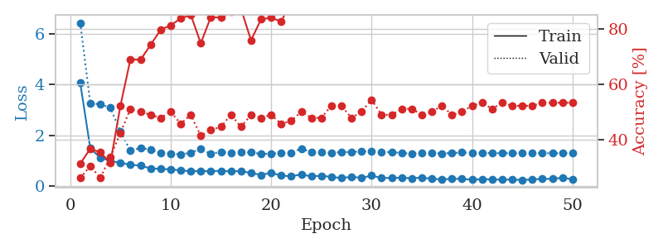
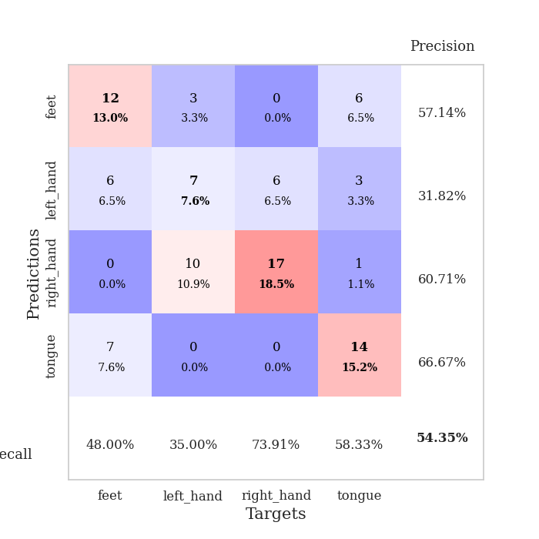
train_loss | valid_loss | train_accuracy | valid_accuracy | dur | train_misclass | valid_misclass
3.2416168399 | 2.4490623578 | 0.3097826087 | 0.29347826087 | 0.082562446594 | 30.97826087 | 29.347826087
1.4470867955 | 1.7613219748 | 0.34510869565 | 0.27173913043 | 0.079813957214 | 34.510869565 | 27.173913043
1.1255597161 | 1.5526557124 | 0.41576086957 | 0.32608695652 | 0.079507350922 | 41.576086957 | 32.608695652
1.0247168308 | 1.1775336266 | 0.61684782609 | 0.46739130435 | 0.079788684845 | 61.684782609 | 46.739130435
0.84142218854 | 1.1386970256 | 0.66847826087 | 0.4347826087 | 0.079815626144 | 66.847826087 | 43.47826087
0.84366320268 | 1.1903971149 | 0.70923913043 | 0.45652173913 | 0.07972741127 | 70.923913043 | 45.652173913
0.73695858147 | 1.1153319012 | 0.74184782609 | 0.46739130435 | 0.079524278641 | 74.184782609 | 46.739130435
0.65844022969 | 1.0523212837 | 0.8125 | 0.55434782609 | 0.079698801041 | 81.25 | 55.434782609
0.63646599132 | 1.0565876248 | 0.83423913043 | 0.59782608696 | 0.079959392548 | 83.423913043 | 59.782608696
0.6416399155 | 1.0575047576 | 0.85869565217 | 0.55434782609 | 0.080030918121 | 85.869565217 | 55.434782609
0.54920074732 | 1.151872539 | 0.85054347826 | 0.51086956522 | 0.080085515976 | 85.054347826 | 51.086956522
0.56887515861 | 1.2067107351 | 0.79619565217 | 0.58695652174 | 0.079930067062 | 79.619565217 | 58.695652174
0.49971156988 | 1.2351714347 | 0.83423913043 | 0.54347826087 | 0.079784154892 | 83.423913043 | 54.347826087
0.51998105969 | 1.2109581413 | 0.81793478261 | 0.57608695652 | 0.080001831055 | 81.793478261 | 57.608695652
0.46844701275 | 1.184965639 | 0.875 | 0.54347826087 | 0.079878568649 | 87.5 | 54.347826087
0.45203329558 | 1.1230532035 | 0.89402173913 | 0.57608695652 | 0.079692840576 | 89.402173913 | 57.608695652
0.40222578528 | 1.338319242 | 0.84510869565 | 0.53260869565 | 0.080065250397 | 84.510869565 | 53.260869565
0.34856138476 | 1.2317759161 | 0.89402173913 | 0.57608695652 | 0.079857826233 | 89.402173913 | 57.608695652
0.3589018065 | 1.4134844153 | 0.85326086957 | 0.52173913043 | 0.079918861389 | 85.326086957 | 52.173913043
0.35592263386 | 1.4340738706 | 0.83695652174 | 0.52173913043 | 0.079877138138 | 83.695652174 | 52.173913043
0.3675494207 | 1.4335109902 | 0.82608695652 | 0.55434782609 | 0.079868078232 | 82.608695652 | 55.434782609
0.36415980044 | 1.3654737498 | 0.91847826087 | 0.54347826087 | 0.080176830292 | 91.847826087 | 54.347826087
0.32867254511 | 1.3642574005 | 0.92934782609 | 0.54347826087 | 0.079811096191 | 92.934782609 | 54.347826087
0.38375879176 | 1.1152653759 | 0.92391304348 | 0.59782608696 | 0.079768419266 | 92.391304348 | 59.782608696
0.28104107422 | 1.218080851 | 0.9375 | 0.53260869565 | 0.079978704453 | 93.75 | 53.260869565
0.23643669405 | 1.2768837045 | 0.92663043478 | 0.57608695652 | 0.080250740051 | 92.663043478 | 57.608695652
0.27082631089 | 1.2555229897 | 0.9375 | 0.54347826087 | 0.080425739288 | 93.75 | 54.347826087
0.2483022579 | 1.3706081121 | 0.92119565217 | 0.52173913043 | 0.080028057098 | 92.119565217 | 52.173913043
0.29215566328 | 1.3635345464 | 0.88586956522 | 0.55434782609 | 0.080138921738 | 88.586956522 | 55.434782609
0.25545924222 | 1.2717440569 | 0.90760869565 | 0.58695652174 | 0.082333564758 | 90.760869565 | 58.695652174
0.26487776961 | 1.4144889997 | 0.86413043478 | 0.59782608696 | 0.07898235321 | 86.413043478 | 59.782608696
0.21922945685 | 1.459052726 | 0.85054347826 | 0.57608695652 | 0.079122066498 | 85.054347826 | 57.608695652
0.23546006498 | 1.4155235316 | 0.89945652174 | 0.53260869565 | 0.079130649567 | 89.945652174 | 53.260869565
0.21284037715 | 1.3793343124 | 0.90760869565 | 0.53260869565 | 0.079169034958 | 90.760869565 | 53.260869565
0.2172878323 | 1.3981446676 | 0.88043478261 | 0.58695652174 | 0.079131126404 | 88.043478261 | 58.695652174
0.20730678251 | 1.3883487349 | 0.8777173913 | 0.59782608696 | 0.07901930809 | 87.77173913 | 59.782608696
0.19103813981 | 1.4185662347 | 0.86684782609 | 0.57608695652 | 0.079001903534 | 86.684782609 | 57.608695652
0.20750138973 | 1.4868929153 | 0.86413043478 | 0.57608695652 | 0.079022884369 | 86.413043478 | 57.608695652
0.1710390685 | 1.3486255822 | 0.90489130435 | 0.60869565217 | 0.079522371292 | 90.489130435 | 60.869565217
0.22447989168 | 1.3055823562 | 0.9402173913 | 0.60869565217 | 0.079194784164 | 94.02173913 | 60.869565217
0.18876250072 | 1.3021891856 | 0.94565217391 | 0.60869565217 | 0.079090356827 | 94.565217391 | 60.869565217
0.19931782798 | 1.3219424434 | 0.9375 | 0.58695652174 | 0.079072952271 | 93.75 | 58.695652174
0.18899625912 | 1.3545676262 | 0.92391304348 | 0.60869565217 | 0.079368591309 | 92.391304348 | 60.869565217
0.20502034299 | 1.3181467665 | 0.93206521739 | 0.61956521739 | 0.079257488251 | 93.206521739 | 61.956521739
0.17758188737 | 1.3116810749 | 0.9375 | 0.60869565217 | 0.079205989838 | 93.75 | 60.869565217
0.18858274882 | 1.3058853979 | 0.9375 | 0.59782608696 | 0.079507112503 | 93.75 | 59.782608696
0.21303040696 | 1.3124487504 | 0.9375 | 0.59782608696 | 0.079302310944 | 93.75 | 59.782608696
0.18524485405 | 1.3109698594 | 0.9375 | 0.59782608696 | 0.079006433487 | 93.75 | 59.782608696
0.18344537282 | 1.310218719 | 0.9375 | 0.59782608696 | 0.078975439072 | 93.75 | 59.782608696
0.18363454841 | 1.3074307144 | 0.9375 | 0.59782608696 | 0.079349994659 | 93.75 | 59.782608696

Best Val accuracy is 0.6195652173913043 and Best test accuracy is 0.5689655172413793
train_loss | valid_loss | train_accuracy | valid_accuracy | dur | train_misclass | valid_misclass
4.0607317323 | 6.4337298766 | 0.3125 | 0.26086956522 | 0.09393787384 | 31.25 | 26.086956522
1.4865363111 | 3.2597434521 | 0.36684782609 | 0.30434782609 | 0.084245204926 | 36.684782609 | 30.434782609
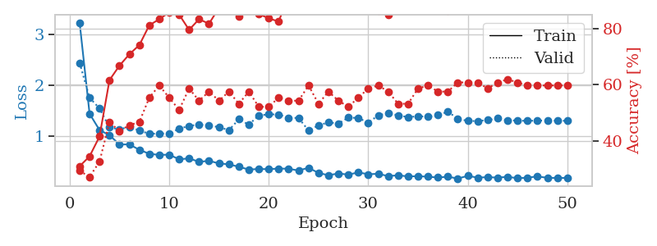
1.118964755 | 3.2270691084 | 0.35326086957 | 0.26086956522 | 0.084078788757 | 35.326086957 | 26.086956522
0.99274111312 | 3.0824832294 | 0.3152173913 | 0.33695652174 | 0.08399772644 | 31.52173913 | 33.695652174
0.91617193429 | 2.1494310628 | 0.52173913043 | 0.42391304348 | 0.083950519562 | 52.173913043 | 42.391304348
0.84495089624 | 1.3892662629 | 0.6902173913 | 0.51086956522 | 0.08766078949 | 69.02173913 | 51.086956522
0.80393001437 | 1.5083758831 | 0.6875 | 0.5 | 0.084089756012 | 68.75 | 50
0.69791029458 | 1.4340839205 | 0.74184782609 | 0.48913043478 | 0.083817243576 | 74.184782609 | 48.913043478
0.68358116565 | 1.3142101946 | 0.79619565217 | 0.47826086957 | 0.084044694901 | 79.619565217 | 47.826086957
0.65762330009 | 1.289592647 | 0.8125 | 0.5 | 0.084281682968 | 81.25 | 50
0.6241558557 | 1.2453339022 | 0.83695652174 | 0.45652173913 | 0.083908557892 | 83.695652174 | 45.652173913
0.58305636437 | 1.3196702237 | 0.85054347826 | 0.48913043478 | 0.083936691284 | 85.054347826 | 48.913043478
0.59315750392 | 1.4675835241 | 0.7472826087 | 0.41304347826 | 0.084032773972 | 74.72826087 | 41.304347826
0.58643832155 | 1.2666577075 | 0.84239130435 | 0.4347826087 | 0.084020614624 | 84.239130435 | 43.47826087
0.60372238574 | 1.3537856418 | 0.83967391304 | 0.44565217391 | 0.083864927292 | 83.967391304 | 44.565217391
0.57706903504 | 1.3145745604 | 0.86141304348 | 0.48913043478 | 0.084298610687 | 86.141304348 | 48.913043478
0.59405738763 | 1.3247327908 | 0.8722826087 | 0.44565217391 | 0.083888292313 | 87.22826087 | 44.565217391
0.51590586875 | 1.3246919876 | 0.75815217391 | 0.48913043478 | 0.084179401398 | 75.815217391 | 48.913043478
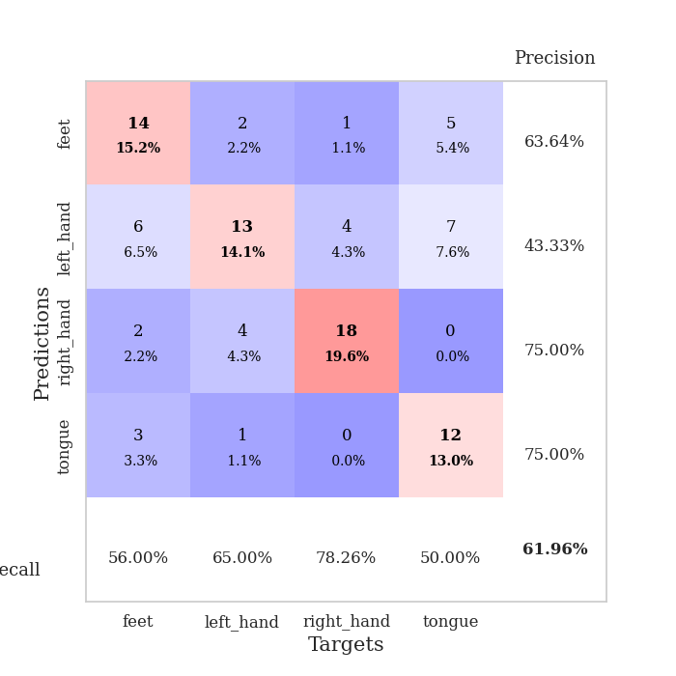
0.44440754017 | 1.2707602745 | 0.83423913043 | 0.47826086957 | 0.08417725563 | 83.423913043 | 47.826086957
0.52536172323 | 1.2772164734 | 0.83967391304 | 0.48913043478 | 0.084036827087 | 83.967391304 | 48.913043478
0.41513051417 | 1.3034880913 | 0.82608695652 | 0.45652173913 | 0.084146499634 | 82.608695652 | 45.652173913
0.38734265384 | 1.3211956024 | 0.89673913043 | 0.46739130435 | 0.084002017975 | 89.673913043 | 46.739130435
0.46240508103 | 1.4780437765 | 0.8722826087 | 0.5 | 0.083842992783 | 87.22826087 | 50
0.38388592588 | 1.3347501159 | 0.92119565217 | 0.47826086957 | 0.084265708923 | 92.119565217 | 47.826086957
0.41137690518 | 1.35233197 | 0.89673913043 | 0.47826086957 | 0.083743572235 | 89.673913043 | 47.826086957
0.36272325788 | 1.3100701415 | 0.91847826087 | 0.52173913043 | 0.083548069 | 91.847826087 | 52.173913043
0.3204223384 | 1.3446073247 | 0.91304347826 | 0.52173913043 | 0.084072828293 | 91.304347826 | 52.173913043
0.36515061557 | 1.341999904 | 0.94836956522 | 0.47826086957 | 0.083829402924 | 94.836956522 | 47.826086957
0.32781987475 | 1.3677883433 | 0.95923913043 | 0.5 | 0.083645105362 | 95.923913043 | 50
0.41336970809 | 1.36826361 | 0.94293478261 | 0.54347826087 | 0.084182500839 | 94.293478261 | 54.347826087
0.31983060228 | 1.3512862377 | 0.96195652174 | 0.48913043478 | 0.083940505981 | 96.195652174 | 48.913043478
0.32491533296 | 1.3379869228 | 0.95380434783 | 0.48913043478 | 0.083832740784 | 95.380434783 | 48.913043478
0.33140882914 | 1.305280745 | 0.95108695652 | 0.51086956522 | 0.084133625031 | 95.108695652 | 51.086956522
0.31143415428 | 1.283428003 | 0.96195652174 | 0.51086956522 | 0.083941936493 | 96.195652174 | 51.086956522
0.33719283342 | 1.3034482935 | 0.9347826087 | 0.48913043478 | 0.083861112595 | 93.47826087 | 48.913043478
0.28557096519 | 1.3076510326 | 0.96739130435 | 0.5 | 0.083963632584 | 96.739130435 | 50
0.27008239147 | 1.2842425445 | 0.97010869565 | 0.52173913043 | 0.083817720413 | 97.010869565 | 52.173913043
0.2837447537 | 1.3052013516 | 0.95652173913 | 0.48913043478 | 0.083956718445 | 95.652173913 | 48.913043478
0.28629111142 | 1.3244462609 | 0.9402173913 | 0.5 | 0.083809137344 | 94.02173913 | 50
0.25073540535 | 1.3109159962 | 0.95380434783 | 0.52173913043 | 0.084060430527 | 95.380434783 | 52.173913043
0.2740410657 | 1.3031570549 | 0.96195652174 | 0.53260869565 | 0.083742141724 | 96.195652174 | 53.260869565
0.26479393357 | 1.3019500375 | 0.96739130435 | 0.51086956522 | 0.08390545845 | 96.739130435 | 51.086956522
0.25151679244 | 1.2938174657 | 0.97282608696 | 0.53260869565 | 0.083822965622 | 97.282608696 | 53.260869565
0.26375315014 | 1.2952256902 | 0.97010869565 | 0.52173913043 | 0.083740711212 | 97.010869565 | 52.173913043
0.24166941092 | 1.2957109342 | 0.97010869565 | 0.52173913043 | 0.083699464798 | 97.010869565 | 52.173913043
0.26560825077 | 1.2955348569 | 0.97282608696 | 0.52173913043 | 0.084423065186 | 97.282608696 | 52.173913043
0.2851671204 | 1.2966921019 | 0.97282608696 | 0.53260869565 | 0.089163780212 | 97.282608696 | 53.260869565
0.28635256122 | 1.2966267 | 0.97282608696 | 0.53260869565 | 0.084570407867 | 97.282608696 | 53.260869565
0.33204208023 | 1.296273584 | 0.97282608696 | 0.53260869565 | 0.083992481232 | 97.282608696 | 53.260869565
0.26861798893 | 1.296199358 | 0.97282608696 | 0.53260869565 | 0.084089994431 | 97.282608696 | 53.260869565

Best Val accuracy is 0.5434782608695652 and Best test accuracy is 0.5

Sheet5
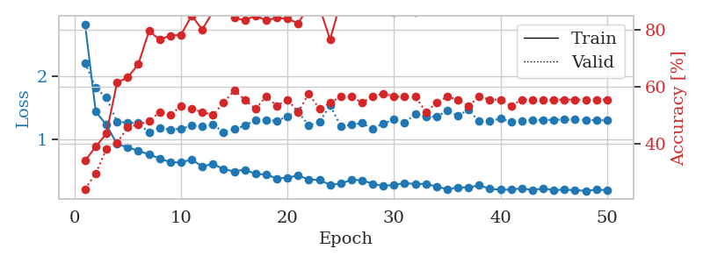
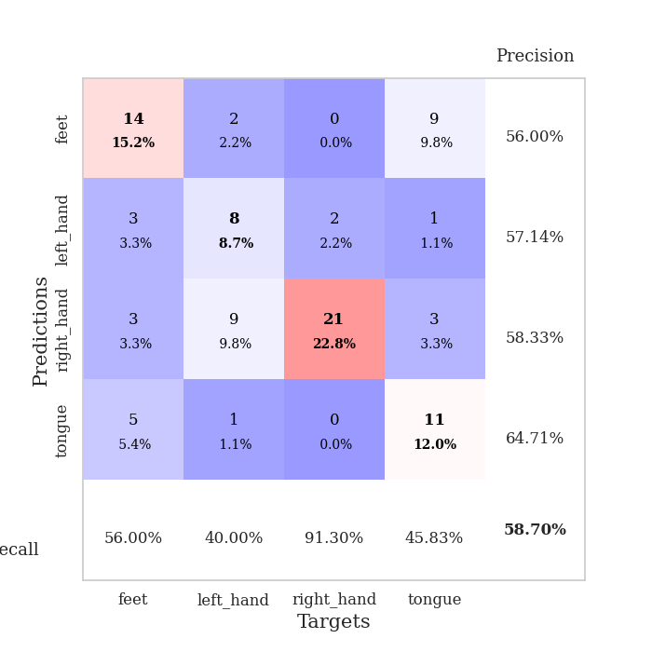
train_loss | valid_loss | train_accuracy | valid_accuracy | dur | train_misclass | valid_misclass
4.5623454529 | 3.5775564132 | 0.25 | 0.25 | 0.083391904831 | 25 | 25
1.5039098315 | 2.1544388999 | 0.26086956522 | 0.27173913043 | 0.08016705513 | 26.086956522 | 27.173913043
1.2319353378 | 1.6643398586 | 0.38586956522 | 0.3152173913 | 0.079904794693 | 38.586956522 | 31.52173913
1.0264504863 | 1.5387329174 | 0.46739130435 | 0.3152173913 | 0.079767227173 | 46.739130435 | 31.52173913
0.90359117415 | 1.1796206365 | 0.67663043478 | 0.46739130435 | 0.079731225967 | 67.663043478 | 46.739130435
0.85725115952 | 1.0395183589 | 0.75 | 0.48913043478 | 0.079631328583 | 75 | 48.913043478
0.83176686453 | 1.0434425084 | 0.75 | 0.54347826087 | 0.079755306244 | 75 | 54.347826087
0.81216937563 | 1.0903292402 | 0.76630434783 | 0.55434782609 | 0.083739995956 | 76.630434783 | 55.434782609
0.72794811104 | 0.98745400102 | 0.79891304348 | 0.5652173913 | 0.079426527023 | 79.891304348 | 56.52173913
0.75989465221 | 1.1201478217 | 0.79891304348 | 0.5 | 0.0792491436 | 79.891304348 | 50
0.66575437655 | 1.2029962592 | 0.73369565217 | 0.45652173913 | 0.07914018631 | 73.369565217 | 45.652173913
0.66071621879 | 1.1304171059 | 0.82065217391 | 0.54347826087 | 0.079092502594 | 82.065217391 | 54.347826087
0.57713406436 | 1.2251789077 | 0.76358695652 | 0.5652173913 | 0.079067468643 | 76.358695652 | 56.52173913
0.56096674955 | 1.4052475717 | 0.72010869565 | 0.51086956522 | 0.079072952271 | 72.010869565 | 51.086956522
0.51928350848 | 1.1663370625 | 0.80163043478 | 0.48913043478 | 0.079130649567 | 80.163043478 | 48.913043478
0.54464945651 | 1.1829596551 | 0.80163043478 | 0.5 | 0.079288959503 | 80.163043478 | 50
0.47376880438 | 1.2877230852 | 0.73641304348 | 0.5 | 0.079426288605 | 73.641304348 | 50
0.4896195343 | 1.3294881815 | 0.77717391304 | 0.47826086957 | 0.079223394394 | 77.717391304 | 47.826086957
0.49033361414 | 1.1406285789 | 0.85597826087 | 0.53260869565 | 0.07928943634 | 85.597826087 | 53.260869565
0.38629352658 | 1.163338612 | 0.83695652174 | 0.51086956522 | 0.079236268997 | 83.695652174 | 51.086956522
0.3773805674 | 1.1466944192 | 0.8722826087 | 0.51086956522 | 0.079380989075 | 87.22826087 | 51.086956522
0.37896971567 | 1.1837975214 | 0.88315217391 | 0.53260869565 | 0.079347610474 | 88.315217391 | 53.260869565
0.37887179463 | 1.283061849 | 0.84239130435 | 0.54347826087 | 0.079248189926 | 84.239130435 | 54.347826087
0.37107330723 | 1.444284408 | 0.83423913043 | 0.46739130435 | 0.079047441483 | 83.423913043 | 46.739130435
0.34240699981 | 1.3719588544 | 0.83152173913 | 0.51086956522 | 0.079125404358 | 83.152173913 | 51.086956522
0.27182465371 | 1.3576478103 | 0.84239130435 | 0.53260869565 | 0.079047441483 | 84.239130435 | 53.260869565
0.29356714079 | 1.3393344128 | 0.85326086957 | 0.52173913043 | 0.079077720642 | 85.326086957 | 52.173913043
0.30123875517 | 1.352121024 | 0.85869565217 | 0.46739130435 | 0.079268455505 | 85.869565217 | 46.739130435
0.28300462663 | 1.4894300051 | 0.8152173913 | 0.53260869565 | 0.079102993011 | 81.52173913 | 53.260869565
0.29572569028 | 1.3647400322 | 0.88586956522 | 0.5 | 0.079281568527 | 88.586956522 | 50
0.25907270384 | 1.3830656254 | 0.86413043478 | 0.51086956522 | 0.079200029373 | 86.413043478 | 51.086956522
0.26438580032 | 1.2760290944 | 0.89130434783 | 0.52173913043 | 0.079514503479 | 89.130434783 | 52.173913043
0.28320142497 | 1.2318262549 | 0.90217391304 | 0.53260869565 | 0.0792491436 | 90.217391304 | 53.260869565
0.26783685743 | 1.2369517658 | 0.91304347826 | 0.52173913043 | 0.079034090042 | 91.304347826 | 52.173913043
0.24185266411 | 1.2269328561 | 0.92119565217 | 0.52173913043 | 0.079123497009 | 92.119565217 | 52.173913043
0.22631769125 | 1.2599103321 | 0.92119565217 | 0.48913043478 | 0.07919216156 | 92.119565217 | 48.913043478
0.23264334448 | 1.2901063199 | 0.89402173913 | 0.55434782609 | 0.079161643982 | 89.402173913 | 55.434782609
0.23864590782 | 1.303161774 | 0.89130434783 | 0.5652173913 | 0.079357624054 | 89.130434783 | 56.52173913
0.2169916863 | 1.2957600485 | 0.91304347826 | 0.52173913043 | 0.079474687576 | 91.304347826 | 52.173913043
0.2374213231 | 1.3039571073 | 0.91304347826 | 0.55434782609 | 0.079277515411 | 91.304347826 | 55.434782609
0.17424013433 | 1.3155030064 | 0.91847826087 | 0.54347826087 | 0.079272985458 | 91.847826087 | 54.347826087
0.22356298728 | 1.3108454088 | 0.91304347826 | 0.5652173913 | 0.079166889191 | 91.304347826 | 56.52173913
0.19014031132 | 1.3067193316 | 0.92663043478 | 0.55434782609 | 0.07933306694 | 92.663043478 | 55.434782609
0.20475005942 | 1.2965111396 | 0.92663043478 | 0.58695652174 | 0.081746816635 | 92.663043478 | 58.695652174
0.21556313822 | 1.3057739657 | 0.92119565217 | 0.55434782609 | 0.083365917206 | 92.119565217 | 55.434782609
0.21491339787 | 1.3110619602 | 0.92391304348 | 0.53260869565 | 0.080124616623 | 92.391304348 | 53.260869565
0.20239226779 | 1.3056902341 | 0.92934782609 | 0.54347826087 | 0.079756736755 | 92.934782609 | 54.347826087
0.2096199186 | 1.2996295094 | 0.92934782609 | 0.54347826087 | 0.079942464828 | 92.934782609 | 54.347826087
0.20422181665 | 1.2940176699 | 0.92934782609 | 0.54347826087 | 0.079880475998 | 92.934782609 | 54.347826087
0.18611866689 | 1.2905351882 | 0.92934782609 | 0.54347826087 | 0.079652070999 | 92.934782609 | 54.347826087

Best Val accuracy is 0.5869565217391305 and Best test accuracy is 0.5431034482758621
train_loss | valid_loss | train_accuracy | valid_accuracy | dur | train_misclass | valid_misclass
2.8265550499 | 2.2131639978 | 0.33967391304 | 0.23913043478 | 0.088991165161 | 33.967391304 | 23.913043478
1.4403389718 | 1.8191627938 | 0.38858695652 | 0.29347826087 | 0.084015369415 | 38.858695652 | 29.347826087
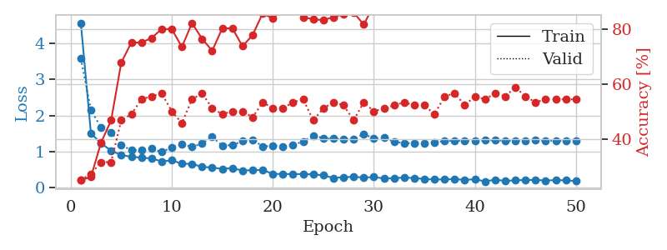
1.2304883755 | 1.661771199 | 0.4347826087 | 0.38043478261 | 0.083943367004 | 43.47826087 | 38.043478261
0.9270029379 | 1.2843137876 | 0.61413043478 | 0.40217391304 | 0.084045171738 | 61.413043478 | 40.217391304
0.87568930958 | 1.2652378782 | 0.63315217391 | 0.45652173913 | 0.083931684494 | 63.315217391 | 45.652173913
0.81996509951 | 1.2590278465 | 0.67934782609 | 0.46739130435 | 0.084455728531 | 67.934782609 | 46.739130435
0.76327774577 | 1.1082783652 | 0.79619565217 | 0.47826086957 | 0.086746454239 | 79.619565217 | 47.826086957
0.70136135557 | 1.176450097 | 0.76630434783 | 0.51086956522 | 0.084160089493 | 76.630434783 | 51.086956522
0.63874272419 | 1.1595800571 | 0.77989130435 | 0.5 | 0.084320306778 | 77.989130435 | 50
0.63544547947 | 1.1706798077 | 0.78260869565 | 0.53260869565 | 0.083752155304 | 78.260869565 | 53.260869565
0.68165659386 | 1.2177761949 | 0.85054347826 | 0.52173913043 | 0.083934307098 | 85.054347826 | 52.173913043
0.57436715261 | 1.2110147917 | 0.80163043478 | 0.51086956522 | 0.083872318268 | 80.163043478 | 51.086956522
0.61173134653 | 1.2335922718 | 0.86413043478 | 0.5 | 0.083691358566 | 86.413043478 | 50
0.53100848522 | 1.1177310037 | 0.88043478261 | 0.54347826087 | 0.084135532379 | 88.043478261 | 54.347826087
0.49379250731 | 1.1650927196 | 0.84239130435 | 0.58695652174 | 0.083814144135 | 84.239130435 | 58.695652174
0.52179590192 | 1.2167676299 | 0.83423913043 | 0.55434782609 | 0.083977222443 | 83.423913043 | 55.434782609
0.45269403995 | 1.3109008618 | 0.85054347826 | 0.52173913043 | 0.08429312706 | 85.054347826 | 52.173913043
0.44735417677 | 1.3129331418 | 0.83423913043 | 0.5652173913 | 0.08552980423 | 83.423913043 | 56.52173913
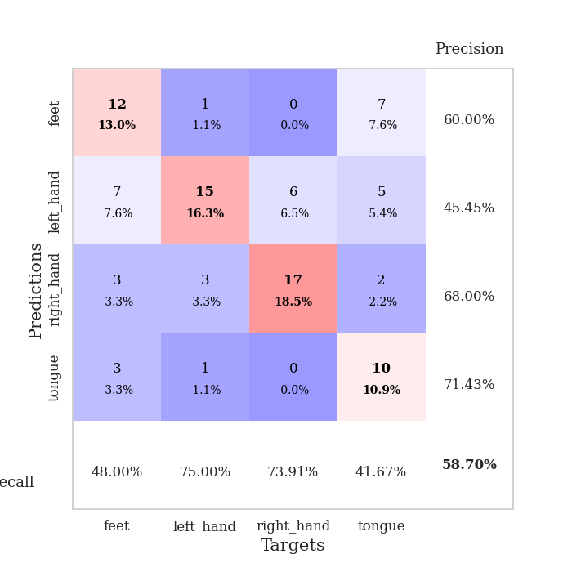
0.38214505593 | 1.2906105648 | 0.84239130435 | 0.53260869565 | 0.084077596664 | 84.239130435 | 53.260869565
0.39635668436 | 1.3681116907 | 0.83967391304 | 0.55434782609 | 0.083854198456 | 83.967391304 | 55.434782609
0.42927226683 | 1.4414489269 | 0.82336956522 | 0.51086956522 | 0.084011316299 | 82.336956522 | 51.086956522
0.36600947672 | 1.2220699813 | 0.88315217391 | 0.57608695652 | 0.083724737167 | 88.315217391 | 57.608695652
0.35908926635 | 1.2743325674 | 0.88043478261 | 0.52173913043 | 0.083531141281 | 88.043478261 | 52.173913043
0.28079551167 | 1.5416914173 | 0.76630434783 | 0.54347826087 | 0.084022045135 | 76.630434783 | 54.347826087
0.30017121897 | 1.2085871269 | 0.89945652174 | 0.5652173913 | 0.083739757538 | 89.945652174 | 56.52173913
0.36156233756 | 1.2318300385 | 0.86413043478 | 0.5652173913 | 0.083790540695 | 86.413043478 | 56.52173913
0.35317730385 | 1.2604972461 | 0.91032608696 | 0.54347826087 | 0.08380317688 | 91.032608696 | 54.347826087
0.2991964749 | 1.1649126929 | 0.9402173913 | 0.5652173913 | 0.083741426468 | 94.02173913 | 56.52173913
0.26109526954 | 1.2533736281 | 0.88858695652 | 0.57608695652 | 0.083639383316 | 88.858695652 | 57.608695652
0.28289156391 | 1.3147423863 | 0.86141304348 | 0.5652173913 | 0.083844423294 | 86.141304348 | 56.52173913
0.30732317658 | 1.2678427502 | 0.89673913043 | 0.5652173913 | 0.083771944046 | 89.673913043 | 56.52173913
0.29577947667 | 1.3986168426 | 0.86141304348 | 0.5652173913 | 0.083720684052 | 86.141304348 | 56.52173913
0.29566965997 | 1.3661967179 | 0.91032608696 | 0.51086956522 | 0.083877563477 | 91.032608696 | 51.086956522
0.25465428214 | 1.3587750196 | 0.89945652174 | 0.54347826087 | 0.0843770504 | 89.945652174 | 54.347826087
0.21112360287 | 1.4540637783 | 0.875 | 0.5652173913 | 0.084177494049 | 87.5 | 56.52173913
0.23989330038 | 1.3788135959 | 0.89130434783 | 0.55434782609 | 0.083733558655 | 89.130434783 | 55.434782609
0.24088339119 | 1.4679881386 | 0.8722826087 | 0.53260869565 | 0.084007740021 | 87.22826087 | 53.260869565
0.27426580372 | 1.2857531931 | 0.90217391304 | 0.5652173913 | 0.084941148758 | 90.217391304 | 56.52173913
0.21711997655 | 1.294386532 | 0.91032608696 | 0.55434782609 | 0.084904432297 | 91.032608696 | 55.434782609
0.20418226573 | 1.3299895344 | 0.91032608696 | 0.55434782609 | 0.084520101547 | 91.032608696 | 55.434782609
0.20692652529 | 1.2746525523 | 0.94293478261 | 0.53260869565 | 0.084640026093 | 94.293478261 | 53.260869565
0.22718476083 | 1.2903309737 | 0.9347826087 | 0.55434782609 | 0.085000991821 | 93.47826087 | 55.434782609
0.19813860678 | 1.3057884924 | 0.93206521739 | 0.55434782609 | 0.084845304489 | 93.206521739 | 55.434782609
0.224293587 | 1.3093250005 | 0.9347826087 | 0.55434782609 | 0.084696292877 | 93.47826087 | 55.434782609
0.19737389716 | 1.3123523995 | 0.9402173913 | 0.55434782609 | 0.084730863571 | 94.02173913 | 55.434782609
0.20621326663 | 1.3136087876 | 0.94565217391 | 0.55434782609 | 0.084858894348 | 94.565217391 | 55.434782609
0.1974678715 | 1.3143354382 | 0.94565217391 | 0.55434782609 | 0.084891557693 | 94.565217391 | 55.434782609
0.18546435107 | 1.3080612849 | 0.95108695652 | 0.55434782609 | 0.084705352783 | 95.108695652 | 55.434782609
0.20515202537 | 1.3054203093 | 0.95108695652 | 0.55434782609 | 0.10349822044 | 95.108695652 | 55.434782609
0.19752180285 | 1.3027386186 | 0.95108695652 | 0.55434782609 | 0.091060876846 | 95.108695652 | 55.434782609

Best Val accuracy is 0.5869565217391305 and Best test accuracy is 0.4827586206896552

Sheet6
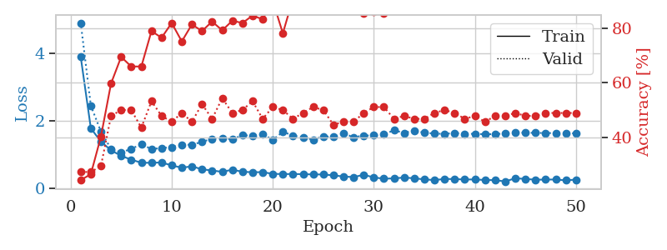
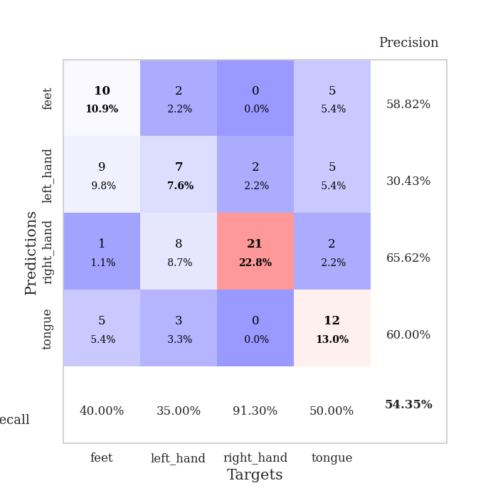
train_loss | valid_loss | train_accuracy | valid_accuracy | dur | train_misclass | valid_misclass
3.5543692838 | 3.4408853158 | 0.23913043478 | 0.29347826087 | 0.081387042999 | 23.913043478 | 29.347826087
1.3875487991 | 3.2891810148 | 0.29891304348 | 0.27173913043 | 0.079702854156 | 29.891304348 | 27.173913043
1.0556223911 | 2.4315729867 | 0.26630434783 | 0.28260869565 | 0.079189300537 | 26.630434783 | 28.260869565
0.97724489544 | 1.8912574312 | 0.44836956522 | 0.39130434783 | 0.079677343369 | 44.836956522 | 39.130434783
0.86163888807 | 1.4199798885 | 0.59239130435 | 0.52173913043 | 0.079478740692 | 59.239130435 | 52.173913043
0.87428963703 | 1.1526651978 | 0.71467391304 | 0.52173913043 | 0.079304933548 | 71.467391304 | 52.173913043
0.79640836949 | 1.0777746517 | 0.78532608696 | 0.42391304348 | 0.079319477081 | 78.532608696 | 42.391304348
0.69507475262 | 1.1325618702 | 0.76902173913 | 0.53260869565 | 0.079292058945 | 76.902173913 | 53.260869565
0.68782463929 | 1.1954288871 | 0.7472826087 | 0.53260869565 | 0.079542636871 | 74.72826087 | 53.260869565
0.62876342043 | 1.1039586093 | 0.78260869565 | 0.59782608696 | 0.079447507858 | 78.260869565 | 59.782608696
0.53126037898 | 1.2365609667 | 0.73097826087 | 0.55434782609 | 0.079903841019 | 73.097826087 | 55.434782609
0.53547606779 | 1.2001938198 | 0.80706521739 | 0.55434782609 | 0.079376935959 | 80.706521739 | 55.434782609
0.59588876885 | 1.1892110705 | 0.8097826087 | 0.5652173913 | 0.079523324966 | 80.97826087 | 56.52173913
0.49598675318 | 1.1834193183 | 0.82880434783 | 0.60869565217 | 0.079391241074 | 82.880434783 | 60.869565217
0.47232670888 | 1.4281248191 | 0.74184782609 | 0.53260869565 | 0.080213785172 | 74.184782609 | 53.260869565
0.44070021355 | 1.3356173894 | 0.79891304348 | 0.58695652174 | 0.079815149307 | 79.891304348 | 58.695652174
0.41605607064 | 1.1214472626 | 0.89402173913 | 0.58695652174 | 0.079829931259 | 89.402173913 | 58.695652174
0.40660970237 | 1.1529670902 | 0.88315217391 | 0.58695652174 | 0.079587221146 | 88.315217391 | 58.695652174
0.37756603859 | 1.1455714521 | 0.84782608696 | 0.58695652174 | 0.079647541046 | 84.782608696 | 58.695652174
0.32818645368 | 1.144604035 | 0.88315217391 | 0.55434782609 | 0.079681634903 | 88.315217391 | 55.434782609
0.4071713469 | 1.2372707103 | 0.83695652174 | 0.55434782609 | 0.079532384872 | 83.695652174 | 55.434782609
0.36357013752 | 1.2448105294 | 0.83967391304 | 0.57608695652 | 0.079582452774 | 83.967391304 | 57.608695652
0.32785584972 | 1.1475545207 | 0.89130434783 | 0.59782608696 | 0.079668521881 | 89.130434783 | 59.782608696
0.26742729836 | 1.137293318 | 0.89673913043 | 0.59782608696 | 0.079767942429 | 89.673913043 | 59.782608696
0.27285553807 | 1.1821514251 | 0.94836956522 | 0.57608695652 | 0.079737186432 | 94.836956522 | 57.608695652
0.31684967454 | 1.2043005358 | 0.91304347826 | 0.61956521739 | 0.079598426819 | 91.304347826 | 61.956521739
0.30402100961 | 1.1991931278 | 0.9375 | 0.59782608696 | 0.080118179321 | 93.75 | 59.782608696
0.33561759345 | 1.0993401421 | 0.96195652174 | 0.65217391304 | 0.079572916031 | 96.195652174 | 65.217391304
0.25254838752 | 1.1230513544 | 0.9347826087 | 0.60869565217 | 0.08008646965 | 93.47826087 | 60.869565217
0.26743309362 | 1.1269511451 | 0.95380434783 | 0.61956521739 | 0.079665899277 | 95.380434783 | 61.956521739
0.20781274107 | 1.3044773159 | 0.90217391304 | 0.58695652174 | 0.079645872116 | 90.217391304 | 58.695652174
0.24928128266 | 1.3478871558 | 0.90217391304 | 0.59782608696 | 0.079697847366 | 90.217391304 | 59.782608696
0.25744240051 | 1.2363975035 | 0.9375 | 0.60869565217 | 0.080038070679 | 93.75 | 60.869565217
0.2309598385 | 1.2398705793 | 0.96195652174 | 0.63043478261 | 0.079733133316 | 96.195652174 | 63.043478261
0.24976314005 | 1.3274140073 | 0.90489130435 | 0.58695652174 | 0.079599142075 | 90.489130435 | 58.695652174
0.25233295787 | 1.2304854043 | 0.94836956522 | 0.59782608696 | 0.079603433609 | 94.836956522 | 59.782608696
0.21762615734 | 1.2471448533 | 0.94293478261 | 0.60869565217 | 0.079713582993 | 94.293478261 | 60.869565217
0.23270388563 | 1.2949941728 | 0.92119565217 | 0.59782608696 | 0.07988858223 | 92.119565217 | 59.782608696
0.22626966108 | 1.2769224592 | 0.92119565217 | 0.60869565217 | 0.080014467239 | 92.119565217 | 60.869565217
0.18474723593 | 1.3053635644 | 0.92391304348 | 0.59782608696 | 0.079825401306 | 92.391304348 | 59.782608696
0.20115392623 | 1.3045127249 | 0.94293478261 | 0.57608695652 | 0.079934120178 | 94.293478261 | 57.608695652
0.2193155428 | 1.2606411926 | 0.94836956522 | 0.59782608696 | 0.080090284348 | 94.836956522 | 59.782608696
0.18566324432 | 1.3158968039 | 0.92934782609 | 0.58695652174 | 0.080273628235 | 92.934782609 | 58.695652174
0.20789534582 | 1.347931595 | 0.92119565217 | 0.57608695652 | 0.079773902893 | 92.119565217 | 57.608695652
0.14035311098 | 1.3347815716 | 0.92663043478 | 0.57608695652 | 0.079810619354 | 92.663043478 | 57.608695652
0.18418017726 | 1.3277768234 | 0.92663043478 | 0.57608695652 | 0.079935312271 | 92.663043478 | 57.608695652
0.17528384632 | 1.3146936207 | 0.9375 | 0.57608695652 | 0.079732656479 | 93.75 | 57.608695652
0.17158795893 | 1.3052989128 | 0.94293478261 | 0.57608695652 | 0.079791784286 | 94.293478261 | 57.608695652
0.20136184504 | 1.3013307595 | 0.94293478261 | 0.57608695652 | 0.07995223999 | 94.293478261 | 57.608695652
0.23960705361 | 1.2987327459 | 0.94293478261 | 0.57608695652 | 0.0796854496 | 94.293478261 | 57.608695652

Best Val accuracy is 0.6521739130434783 and Best test accuracy is 0.5689655172413793
train_loss | valid_loss | train_accuracy | valid_accuracy | dur | train_misclass | valid_misclass
3.8900482292 | 4.8945596114 | 0.24184782609 | 0.27173913043 | 0.08991932869 | 24.184782609 | 27.173913043
1.7796206008 | 2.4465939584 | 0.26358695652 | 0.27173913043 | 0.085110425949 | 26.358695652 | 27.173913043
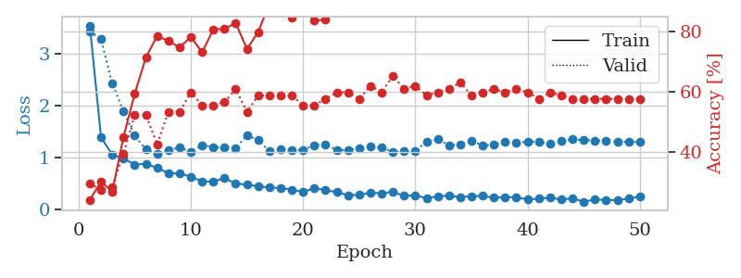
1.3836646857 | 1.6828947689 | 0.40217391304 | 0.29347826087 | 0.084939956665 | 40.217391304 | 29.347826087
1.1286375574 | 1.1661363037 | 0.59782608696 | 0.47826086957 | 0.085036754608 | 59.782608696 | 47.826086957
0.96214651025 | 1.058948649 | 0.69565217391 | 0.5 | 0.090178251266 | 69.565217391 | 50
0.85214956947 | 1.1725457648 | 0.66032608696 | 0.5 | 0.085255146027 | 66.032608696 | 50
0.75843597365 | 1.3047594791 | 0.66032608696 | 0.4347826087 | 0.085251331329 | 66.032608696 | 43.47826087
0.75890488599 | 1.1662783934 | 0.79076086957 | 0.53260869565 | 0.084941864014 | 79.076086957 | 53.260869565
0.76690331749 | 1.1921216211 | 0.76630434783 | 0.47826086957 | 0.084897518158 | 76.630434783 | 47.826086957
0.68076394045 | 1.2199671294 | 0.82065217391 | 0.45652173913 | 0.085106134415 | 82.065217391 | 45.652173913
0.61273685227 | 1.2963408931 | 0.7527173913 | 0.48913043478 | 0.084698200226 | 75.27173913 | 48.913043478
0.65321972966 | 1.2889862527 | 0.8152173913 | 0.45652173913 | 0.084989309311 | 81.52173913 | 45.652173913
0.5653075835 | 1.3805315935 | 0.79076086957 | 0.52173913043 | 0.08490228653 | 79.076086957 | 52.173913043
0.53035936667 | 1.4654943502 | 0.82608695652 | 0.46739130435 | 0.085017442703 | 82.608695652 | 46.739130435
0.49083326498 | 1.4820886125 | 0.79347826087 | 0.54347826087 | 0.084887266159 | 79.347826087 | 54.347826087
0.55454908765 | 1.4533994302 | 0.82880434783 | 0.48913043478 | 0.084847927094 | 82.880434783 | 48.913043478
0.4921931132 | 1.5741142242 | 0.82065217391 | 0.5 | 0.084801197052 | 82.065217391 | 50
0.47929012905 | 1.5564744887 | 0.84782608696 | 0.53260869565 | 0.086710453033 | 84.782608696 | 53.260869565
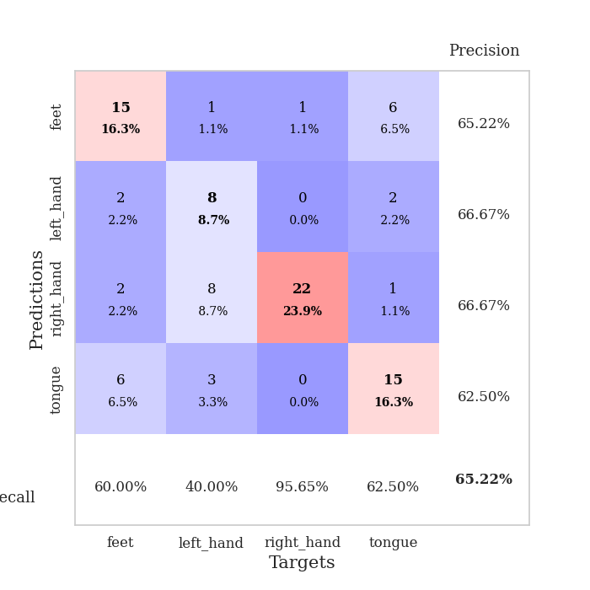
0.48175376783 | 1.6128960653 | 0.83423913043 | 0.46739130435 | 0.084686994553 | 83.423913043 | 46.739130435
0.4315139133 | 1.4334486088 | 0.90217391304 | 0.51086956522 | 0.084838151932 | 90.217391304 | 51.086956522
0.424386351 | 1.6761211882 | 0.78260869565 | 0.5 | 0.084372758865 | 78.260869565 | 50
0.42699768427 | 1.5612063291 | 0.91032608696 | 0.46739130435 | 0.084438085556 | 91.032608696 | 46.739130435
0.42139011945 | 1.5147383667 | 0.91576086957 | 0.48913043478 | 0.085039377213 | 91.576086957 | 48.913043478
0.41453675537 | 1.4399333518 | 0.92663043478 | 0.51086956522 | 0.084715366364 | 92.663043478 | 51.086956522
0.41237099663 | 1.5398381689 | 0.86956521739 | 0.5 | 0.084720373154 | 86.956521739 | 50
0.38640622212 | 1.5244665716 | 0.91847826087 | 0.44565217391 | 0.084541559219 | 91.847826087 | 44.565217391
0.35222136715 | 1.624253045 | 0.89130434783 | 0.45652173913 | 0.084692239761 | 89.130434783 | 45.652173913
0.33520545778 | 1.5173196624 | 0.89945652174 | 0.45652173913 | 0.084727287292 | 89.945652174 | 45.652173913
0.40256636136 | 1.5591205618 | 0.85597826087 | 0.48913043478 | 0.08461523056 | 85.597826087 | 48.913043478
0.32590645293 | 1.5713280284 | 0.86141304348 | 0.51086956522 | 0.084701299667 | 86.141304348 | 51.086956522
0.28674820908 | 1.6031519045 | 0.85597826087 | 0.51086956522 | 0.084942102432 | 85.597826087 | 51.086956522
0.2977625151 | 1.7193827474 | 0.86956521739 | 0.46739130435 | 0.084965705872 | 86.956521739 | 46.739130435
0.32136657073 | 1.6413636804 | 0.89673913043 | 0.47826086957 | 0.084935188293 | 89.673913043 | 47.826086957
0.29975628497 | 1.7116702069 | 0.88315217391 | 0.46739130435 | 0.084861040115 | 88.315217391 | 46.739130435
0.26671312652 | 1.6454723944 | 0.91576086957 | 0.46739130435 | 0.088241100311 | 91.576086957 | 46.739130435
0.24750552424 | 1.6235565854 | 0.91576086957 | 0.48913043478 | 0.08515381813 | 91.576086957 | 48.913043478
0.2796611896 | 1.611332896 | 0.91304347826 | 0.5 | 0.084835767746 | 91.304347826 | 50
0.2769585971 | 1.640238127 | 0.89402173913 | 0.48913043478 | 0.084864854813 | 89.402173913 | 48.913043478
0.26348712425 | 1.6107690386 | 0.91304347826 | 0.46739130435 | 0.084864139557 | 91.304347826 | 46.739130435
0.26561991223 | 1.6165401236 | 0.91576086957 | 0.47826086957 | 0.085151195526 | 91.576086957 | 47.826086957
0.24871760995 | 1.6018022947 | 0.92119565217 | 0.45652173913 | 0.084947347641 | 92.119565217 | 45.652173913
0.24524481384 | 1.607040014 | 0.92663043478 | 0.47826086957 | 0.08446097374 | 92.663043478 | 47.826086957
0.20610490668 | 1.6237060998 | 0.91304347826 | 0.47826086957 | 0.10020875931 | 91.304347826 | 47.826086957
0.30120629299 | 1.6483559168 | 0.90217391304 | 0.48913043478 | 0.087784051895 | 90.217391304 | 48.913043478
0.28016956053 | 1.6476689655 | 0.90489130435 | 0.47826086957 | 0.084937810898 | 90.489130435 | 47.826086957
0.25722288211 | 1.6421027961 | 0.91847826087 | 0.47826086957 | 0.08482003212 | 91.847826087 | 47.826086957
0.26176245899 | 1.6383625321 | 0.91847826087 | 0.48913043478 | 0.084868192673 | 91.847826087 | 48.913043478
0.26333430928 | 1.6353127542 | 0.91847826087 | 0.48913043478 | 0.085050582886 | 91.847826087 | 48.913043478
0.23860018927 | 1.6316354249 | 0.92119565217 | 0.48913043478 | 0.084959983826 | 92.119565217 | 48.913043478
0.26074482177 | 1.6298658537 | 0.92391304348 | 0.48913043478 | 0.085161447525 | 92.391304348 | 48.913043478

Best Val accuracy is 0.5434782608695652 and Best test accuracy is 0.4224137931034483

Sheet7
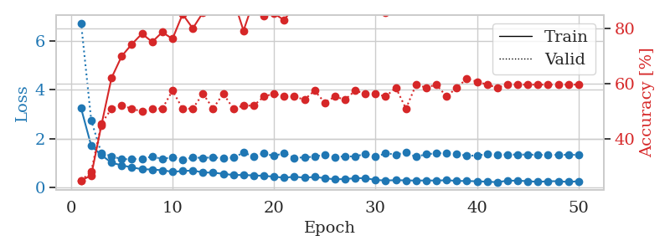
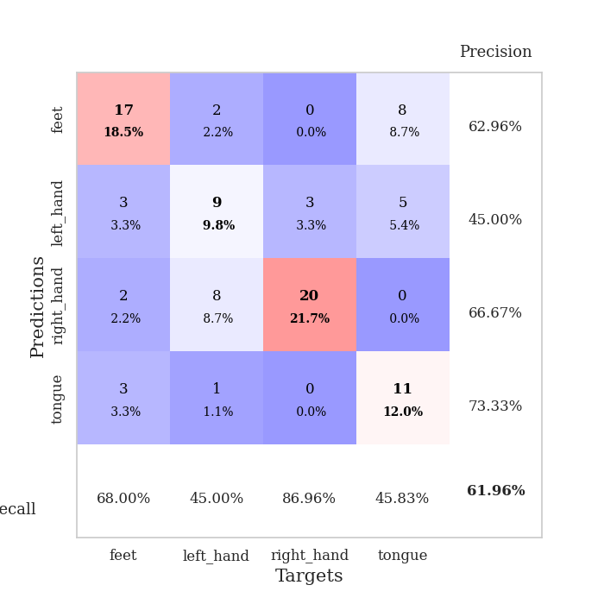
train_loss | valid_loss | train_accuracy | valid_accuracy | dur | train_misclass | valid_misclass
3.085499976 | 10.677752661 | 0.2527173913 | 0.26086956522 | 0.081263780594 | 25.27173913 | 26.086956522
1.6125592849 | 3.6804691812 | 0.2527173913 | 0.27173913043 | 0.079622745514 | 25.27173913 | 27.173913043
1.1767393247 | 1.6098973492 | 0.45380434783 | 0.33695652174 | 0.07914185524 | 45.380434783 | 33.695652174
1.0570909225 | 1.5126919435 | 0.53804347826 | 0.45652173913 | 0.083850622177 | 53.804347826 | 45.652173913
0.94832016852 | 1.1453840733 | 0.73913043478 | 0.45652173913 | 0.079689979553 | 73.913043478 | 45.652173913
0.83496419761 | 1.1532286017 | 0.74456521739 | 0.46739130435 | 0.081691741943 | 74.456521739 | 46.739130435
0.77767844822 | 1.2715692546 | 0.6847826087 | 0.47826086957 | 0.079883575439 | 68.47826087 | 47.826086957
0.67846082604 | 1.2156583434 | 0.8125 | 0.47826086957 | 0.079646348953 | 81.25 | 47.826086957
0.73391527845 | 1.2676818656 | 0.79891304348 | 0.40217391304 | 0.079436779022 | 79.891304348 | 40.217391304
0.66960150781 | 1.3466072497 | 0.82608695652 | 0.44565217391 | 0.079613208771 | 82.608695652 | 44.565217391
0.64750387617 | 1.3520837115 | 0.85869565217 | 0.44565217391 | 0.079469203949 | 85.869565217 | 44.565217391
0.6752122835 | 1.3167379861 | 0.82336956522 | 0.48913043478 | 0.079941987991 | 82.336956522 | 48.913043478
0.60549603079 | 1.3343747129 | 0.85054347826 | 0.5 | 0.080017089844 | 85.054347826 | 50
0.57536656053 | 1.2149042358 | 0.88858695652 | 0.52173913043 | 0.079825639725 | 88.858695652 | 52.173913043
0.50170265916 | 1.3401848777 | 0.82336956522 | 0.47826086957 | 0.079591274261 | 82.336956522 | 47.826086957
0.53233814045 | 1.2164274299 | 0.92119565217 | 0.52173913043 | 0.079515695572 | 92.119565217 | 52.173913043
0.5067939253 | 1.3111802676 | 0.83423913043 | 0.54347826087 | 0.079868078232 | 83.423913043 | 54.347826087
0.47323612221 | 1.3201902457 | 0.85597826087 | 0.51086956522 | 0.079606771469 | 85.597826087 | 51.086956522
0.45328598308 | 1.2682915382 | 0.86956521739 | 0.5652173913 | 0.083755493164 | 86.956521739 | 56.52173913
0.45896526653 | 1.3573544958 | 0.8152173913 | 0.48913043478 | 0.080430746078 | 81.52173913 | 48.913043478
0.41073136161 | 1.2118365169 | 0.91032608696 | 0.53260869565 | 0.080115795135 | 91.032608696 | 53.260869565
0.36640832184 | 1.2150596277 | 0.88315217391 | 0.5 | 0.080337762833 | 88.315217391 | 50
0.3998423277 | 1.308746505 | 0.91576086957 | 0.53260869565 | 0.079623937607 | 91.576086957 | 53.260869565
0.39336429342 | 1.2263697554 | 0.92934782609 | 0.57608695652 | 0.080138921738 | 92.934782609 | 57.608695652
0.38405753866 | 1.2179798588 | 0.93206521739 | 0.5652173913 | 0.079921007156 | 93.206521739 | 56.52173913
0.33848250431 | 1.3567407131 | 0.89945652174 | 0.54347826087 | 0.079869508743 | 89.945652174 | 54.347826087
0.35630833843 | 1.3729300836 | 0.86413043478 | 0.55434782609 | 0.079993724823 | 86.413043478 | 55.434782609
0.39928996595 | 1.356569202 | 0.86956521739 | 0.57608695652 | 0.080285310745 | 86.956521739 | 57.608695652
0.37393870593 | 1.296717027 | 0.875 | 0.53260869565 | 0.080029010773 | 87.5 | 53.260869565
0.35408850727 | 1.3197787689 | 0.85869565217 | 0.54347826087 | 0.079964160919 | 85.869565217 | 54.347826087
0.30333935275 | 1.2038134401 | 0.93206521739 | 0.55434782609 | 0.080166339874 | 93.206521739 | 55.434782609
0.26876898207 | 1.252895661 | 0.89945652174 | 0.5652173913 | 0.079983949661 | 89.945652174 | 56.52173913
0.28446028479 | 1.2223371228 | 0.92663043478 | 0.5652173913 | 0.079948663712 | 92.663043478 | 56.52173913
0.26310398818 | 1.3252203231 | 0.86956521739 | 0.53260869565 | 0.080119132996 | 86.956521739 | 53.260869565
0.33473414895 | 1.3596227454 | 0.8777173913 | 0.55434782609 | 0.07976269722 | 87.77173913 | 55.434782609
0.27995055622 | 1.3340459518 | 0.89402173913 | 0.54347826087 | 0.080129861832 | 89.402173913 | 54.347826087
0.21204477095 | 1.2792334673 | 0.90217391304 | 0.58695652174 | 0.079859018326 | 90.217391304 | 58.695652174
0.29810789649 | 1.2936434538 | 0.89130434783 | 0.55434782609 | 0.08037686348 | 89.130434783 | 55.434782609
0.25483591936 | 1.2923078589 | 0.90217391304 | 0.57608695652 | 0.080298662186 | 90.217391304 | 57.608695652
0.20082708027 | 1.2316539767 | 0.93206521739 | 0.58695652174 | 0.080179929733 | 93.206521739 | 58.695652174
0.25419288906 | 1.2604963818 | 0.92391304348 | 0.58695652174 | 0.080034971237 | 92.391304348 | 58.695652174
0.21386828954 | 1.276926533 | 0.92391304348 | 0.57608695652 | 0.079884290695 | 92.391304348 | 57.608695652
0.19816605066 | 1.2766454647 | 0.92391304348 | 0.5652173913 | 0.079885482788 | 92.391304348 | 56.52173913
0.23797152191 | 1.2705903572 | 0.9347826087 | 0.5652173913 | 0.079813480377 | 93.47826087 | 56.52173913
0.20218764019 | 1.270264781 | 0.9375 | 0.57608695652 | 0.079979658127 | 93.75 | 57.608695652
0.20849770696 | 1.2653097173 | 0.9375 | 0.59782608696 | 0.079957962036 | 93.75 | 59.782608696
0.1926026273 | 1.262661562 | 0.9375 | 0.59782608696 | 0.080302476883 | 93.75 | 59.782608696
0.20358523046 | 1.2599175689 | 0.9402173913 | 0.59782608696 | 0.079979419708 | 94.02173913 | 59.782608696
0.19819565538 | 1.2577896274 | 0.94293478261 | 0.59782608696 | 0.080187797546 | 94.293478261 | 59.782608696
0.20927558272 | 1.2575552101 | 0.94293478261 | 0.59782608696 | 0.079939126968 | 94.293478261 | 59.782608696

Best Val accuracy is 0.5978260869565217 and Best test accuracy is 0.5603448275862069
train_loss | valid_loss | train_accuracy | valid_accuracy | dur | train_misclass | valid_misclass
3.2372471457 | 6.7319200557 | 0.25 | 0.25 | 0.087361335754 | 25 | 25
1.6986483595 | 2.7394790442 | 0.26902173913 | 0.28260869565 | 0.085078954697 | 26.902173913 | 28.260869565
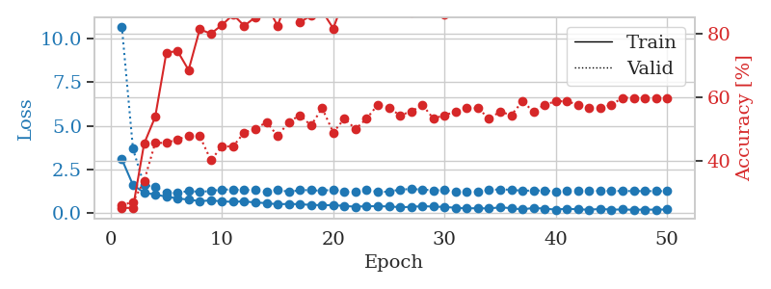
1.3191762903 | 1.3949073294 | 0.45108695652 | 0.45652173913 | 0.085057020187 | 45.108695652 | 45.652173913
1.0074260494 | 1.2785052424 | 0.6222826087 | 0.51086956522 | 0.087795972824 | 62.22826087 | 51.086956522
0.89898707556 | 1.1432540572 | 0.70108695652 | 0.52173913043 | 0.097057580948 | 70.108695652 | 52.173913043
0.81645543679 | 1.1618230498 | 0.74456521739 | 0.51086956522 | 0.084811210632 | 74.456521739 | 51.086956522
0.73928360706 | 1.1615645341 | 0.78260869565 | 0.5 | 0.084751367569 | 78.260869565 | 50
0.72990840933 | 1.2613187018 | 0.7527173913 | 0.51086956522 | 0.084909439087 | 75.27173913 | 51.086956522
0.69680073469 | 1.1565789243 | 0.78804347826 | 0.51086956522 | 0.08521771431 | 78.804347826 | 51.086956522
0.63615935523 | 1.2415641158 | 0.76358695652 | 0.57608695652 | 0.08477473259 | 76.358695652 | 57.608695652
0.66520746635 | 1.1232597361 | 0.85326086957 | 0.51086956522 | 0.085038423538 | 85.326086957 | 51.086956522
0.68913512256 | 1.2206588284 | 0.80163043478 | 0.51086956522 | 0.085128545761 | 80.163043478 | 51.086956522
0.60903904619 | 1.204287599 | 0.85869565217 | 0.5652173913 | 0.085073232651 | 85.869565217 | 56.52173913
0.59908603456 | 1.2254582022 | 0.89402173913 | 0.51086956522 | 0.085017442703 | 89.402173913 | 51.086956522
0.55206534914 | 1.1914429483 | 0.88858695652 | 0.5652173913 | 0.085110664368 | 88.858695652 | 56.52173913
0.50277976109 | 1.2134070526 | 0.90760869565 | 0.51086956522 | 0.084869861603 | 90.760869565 | 51.086956522
0.50357351161 | 1.4216239971 | 0.79347826087 | 0.52173913043 | 0.084903478622 | 79.347826087 | 52.173913043
0.48688877601 | 1.2635636796 | 0.90217391304 | 0.52173913043 | 0.085089683533 | 90.217391304 | 52.173913043
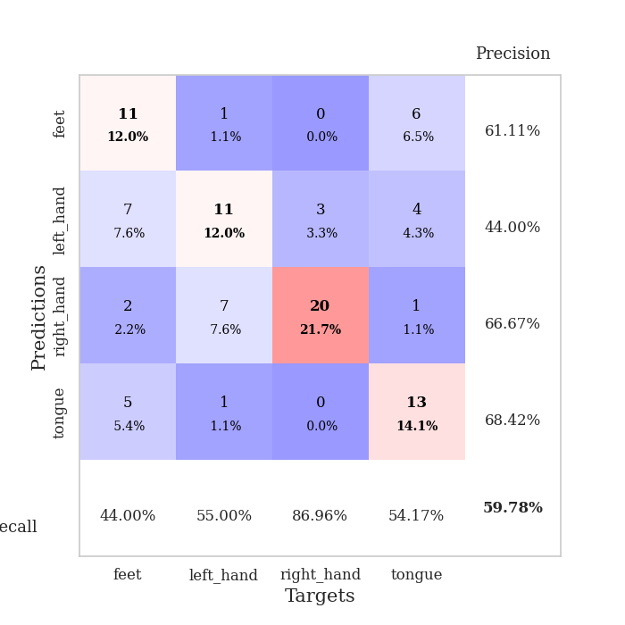
0.46958716602 | 1.3924709416 | 0.84782608696 | 0.55434782609 | 0.085330486298 | 84.782608696 | 55.434782609
0.43484784922 | 1.2803439161 | 0.85597826087 | 0.5652173913 | 0.085341215134 | 85.597826087 | 56.52173913
0.39111732011 | 1.404336516 | 0.83152173913 | 0.55434782609 | 0.085291624069 | 83.152173913 | 55.434782609
0.43350614413 | 1.2075412273 | 0.88315217391 | 0.55434782609 | 0.086803436279 | 88.315217391 | 55.434782609
0.39495606008 | 1.2258625147 | 0.92663043478 | 0.54347826087 | 0.098338365555 | 92.663043478 | 54.347826087
0.42300037586 | 1.2559103914 | 0.93206521739 | 0.57608695652 | 0.08814406395 | 93.206521739 | 57.608695652
0.37521113423 | 1.3402019467 | 0.91032608696 | 0.53260869565 | 0.0849173069 | 91.032608696 | 53.260869565
0.32434399361 | 1.2295277119 | 0.92391304348 | 0.55434782609 | 0.084835529327 | 92.391304348 | 55.434782609
0.33952590434 | 1.2759452708 | 0.92663043478 | 0.54347826087 | 0.084686517715 | 92.663043478 | 54.347826087
0.3708392576 | 1.2555525407 | 0.91576086957 | 0.57608695652 | 0.084681749344 | 91.576086957 | 57.608695652
0.37689985529 | 1.3826441687 | 0.88586956522 | 0.5652173913 | 0.084792852402 | 88.586956522 | 56.52173913
0.29687700777 | 1.2475213836 | 0.89673913043 | 0.5652173913 | 0.09672498703 | 89.673913043 | 56.52173913
0.28123280536 | 1.3909861264 | 0.85869565217 | 0.55434782609 | 0.086018800735 | 85.869565217 | 55.434782609
0.28940678453 | 1.3438042597 | 0.89945652174 | 0.58695652174 | 0.098328351974 | 89.945652174 | 58.695652174
0.28454131925 | 1.4180170764 | 0.89945652174 | 0.51086956522 | 0.089270353317 | 89.945652174 | 51.086956522
0.27364900903 | 1.2462323269 | 0.94293478261 | 0.59782608696 | 0.085339546204 | 94.293478261 | 59.782608696
0.28063608576 | 1.3572262798 | 0.90217391304 | 0.58695652174 | 0.085288286209 | 90.217391304 | 58.695652174
0.27481375197 | 1.3898151919 | 0.88858695652 | 0.59782608696 | 0.087713003159 | 88.858695652 | 59.782608696
0.29010893988 | 1.4074516426 | 0.8777173913 | 0.55434782609 | 0.094548225403 | 87.77173913 | 55.434782609
0.26208365806 | 1.3683997639 | 0.91032608696 | 0.58695652174 | 0.089350938797 | 91.032608696 | 58.695652174
0.25736702169 | 1.2903124094 | 0.94293478261 | 0.61956521739 | 0.094793319702 | 94.293478261 | 61.956521739
0.24572149956 | 1.3034015998 | 0.94293478261 | 0.60869565217 | 0.086642026901 | 94.293478261 | 60.869565217
0.23040273559 | 1.3608450306 | 0.9375 | 0.59782608696 | 0.08610367775 | 93.75 | 59.782608696
0.20901996659 | 1.3347982207 | 0.93206521739 | 0.58695652174 | 0.084897279739 | 93.206521739 | 58.695652174
0.27093824129 | 1.3419765998 | 0.92934782609 | 0.59782608696 | 0.086323261261 | 92.934782609 | 59.782608696
0.27145897694 | 1.3395063994 | 0.93206521739 | 0.59782608696 | 0.091216087341 | 93.206521739 | 59.782608696
0.25104470843 | 1.3413659658 | 0.93206521739 | 0.59782608696 | 0.085953712463 | 93.206521739 | 59.782608696
0.22414835704 | 1.3279662975 | 0.9347826087 | 0.59782608696 | 0.085694313049 | 93.47826087 | 59.782608696
0.24752676876 | 1.3320187071 | 0.93206521739 | 0.59782608696 | 0.085583209991 | 93.206521739 | 59.782608696
0.25023675321 | 1.3311728861 | 0.93206521739 | 0.59782608696 | 0.095292329788 | 93.206521739 | 59.782608696
0.2174557624 | 1.3316980795 | 0.93206521739 | 0.59782608696 | 0.085702896118 | 93.206521739 | 59.782608696
0.25114318421 | 1.3306156863 | 0.93206521739 | 0.59782608696 | 0.085315227509 | 93.206521739 | 59.782608696

Best Val accuracy is 0.6195652173913043 and Best test accuracy is 0.46551724137931033

Sheet8
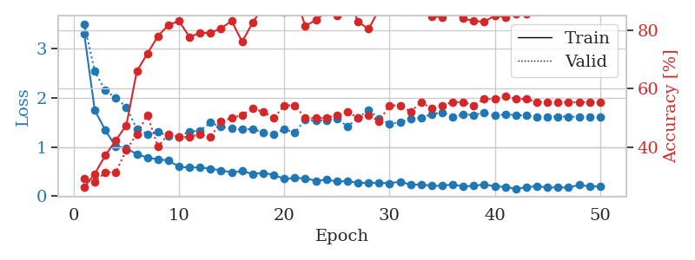
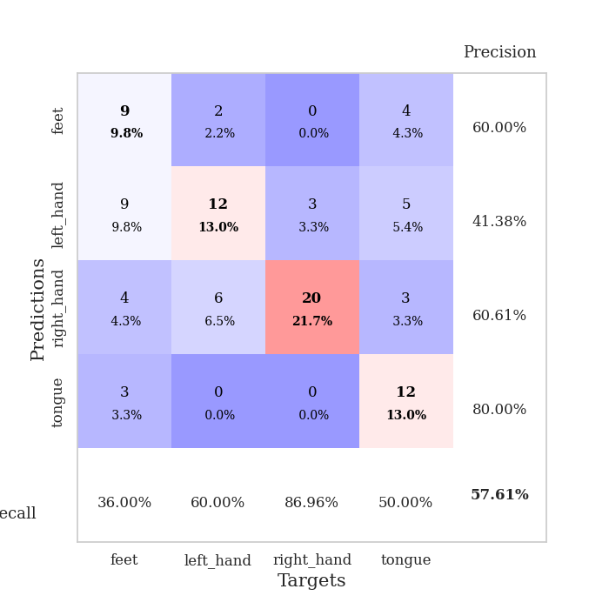
train_loss | valid_loss | train_accuracy | valid_accuracy | dur | train_misclass | valid_misclass
3.5692594311 | 3.9499756253 | 0.29076086957 | 0.26086956522 | 0.083742856979 | 29.076086957 | 26.086956522
1.5596420532 | 2.0091841843 | 0.34239130435 | 0.36956521739 | 0.07968711853 | 34.239130435 | 36.956521739
1.1965077001 | 1.4984063014 | 0.42934782609 | 0.34782608696 | 0.079599142075 | 42.934782609 | 34.782608696
0.97891742509 | 1.577028062 | 0.48641304348 | 0.39130434783 | 0.083070039749 | 48.641304348 | 39.130434783
0.98651852297 | 1.5863773667 | 0.54347826087 | 0.41304347826 | 0.080135822296 | 54.347826087 | 41.304347826
0.89439482533 | 1.2011000851 | 0.74184782609 | 0.47826086957 | 0.080243825912 | 74.184782609 | 47.826086957
0.77136368855 | 1.1778986869 | 0.75 | 0.53260869565 | 0.080348968506 | 75 | 53.260869565
0.70487278441 | 1.1215112831 | 0.76358695652 | 0.55434782609 | 0.080384016037 | 76.358695652 | 55.434782609
0.6212022162 | 1.1805075044 | 0.83695652174 | 0.5 | 0.080565452576 | 83.695652174 | 50
0.70452333145 | 1.1797665539 | 0.82065217391 | 0.5 | 0.080594301224 | 82.065217391 | 50
0.68795309896 | 1.3257700568 | 0.75815217391 | 0.51086956522 | 0.080320596695 | 75.815217391 | 51.086956522
0.60120050933 | 1.3086043389 | 0.78532608696 | 0.52173913043 | 0.080154180527 | 78.532608696 | 52.173913043
0.56314720732 | 1.2147878227 | 0.80163043478 | 0.54347826087 | 0.080439329147 | 80.163043478 | 54.347826087
0.56754672398 | 1.3012782517 | 0.79619565217 | 0.59782608696 | 0.08008146286 | 79.619565217 | 59.782608696
0.48408985721 | 1.2576140891 | 0.83423913043 | 0.55434782609 | 0.080322742462 | 83.423913043 | 55.434782609
0.50429107314 | 1.3394453785 | 0.8125 | 0.53260869565 | 0.08052444458 | 81.25 | 53.260869565
0.40520393784 | 1.3297066663 | 0.82065217391 | 0.57608695652 | 0.080406427383 | 82.065217391 | 57.608695652
0.44618727785 | 1.3318294857 | 0.8152173913 | 0.47826086957 | 0.080478429794 | 81.52173913 | 47.826086957
0.37153910424 | 1.3941093346 | 0.82065217391 | 0.51086956522 | 0.080272912979 | 82.065217391 | 51.086956522
0.50263623181 | 1.6803276694 | 0.7472826087 | 0.45652173913 | 0.080234050751 | 74.72826087 | 45.652173913
0.41262472518 | 1.4168807139 | 0.85869565217 | 0.46739130435 | 0.080267906189 | 85.869565217 | 46.739130435
0.34923767201 | 1.529568724 | 0.80163043478 | 0.5 | 0.080242872238 | 80.163043478 | 50
0.4023470762 | 1.2729312156 | 0.89945652174 | 0.54347826087 | 0.0804708004 | 89.945652174 | 54.347826087
0.32849635475 | 1.2914492177 | 0.89130434783 | 0.55434782609 | 0.08030462265 | 89.130434783 | 55.434782609
0.3002032061 | 1.3370603375 | 0.90489130435 | 0.52173913043 | 0.080279111862 | 90.489130435 | 52.173913043
0.34803017196 | 1.2909750602 | 0.92391304348 | 0.53260869565 | 0.080417394638 | 92.391304348 | 53.260869565
0.31898713727 | 1.2899849726 | 0.92663043478 | 0.52173913043 | 0.080631971359 | 92.663043478 | 52.173913043
0.29689091703 | 1.3677247815 | 0.88858695652 | 0.51086956522 | 0.080484390259 | 88.858695652 | 51.086956522
0.29055872236 | 1.414170628 | 0.90217391304 | 0.53260869565 | 0.080296754837 | 90.217391304 | 53.260869565
0.32610933029 | 1.3197046985 | 0.91576086957 | 0.52173913043 | 0.08047914505 | 91.576086957 | 52.173913043
0.28871004543 | 1.4113334806 | 0.86956521739 | 0.52173913043 | 0.080344200134 | 86.956521739 | 52.173913043
0.24659634965 | 1.3682880583 | 0.89130434783 | 0.54347826087 | 0.080549716949 | 89.130434783 | 54.347826087
0.24305856325 | 1.4327239239 | 0.86684782609 | 0.51086956522 | 0.080570459366 | 86.684782609 | 51.086956522
0.27173899406 | 1.3990486938 | 0.88586956522 | 0.52173913043 | 0.080625295639 | 88.586956522 | 52.173913043
0.26589460153 | 1.4294445307 | 0.89673913043 | 0.53260869565 | 0.080790996552 | 89.673913043 | 53.260869565
0.23730677269 | 1.378582392 | 0.92391304348 | 0.54347826087 | 0.080365419388 | 92.391304348 | 54.347826087
0.27075917306 | 1.4252516498 | 0.89945652174 | 0.48913043478 | 0.080313682556 | 89.945652174 | 48.913043478
0.24823920461 | 1.3822295847 | 0.91576086957 | 0.5 | 0.080724000931 | 91.576086957 | 50
0.18524803869 | 1.3520908278 | 0.92391304348 | 0.54347826087 | 0.080550909042 | 92.391304348 | 54.347826087
0.16639945753 | 1.3884512886 | 0.91847826087 | 0.51086956522 | 0.080467700958 | 91.847826087 | 51.086956522
0.26193576112 | 1.4144318233 | 0.90760869565 | 0.5 | 0.080477237701 | 90.760869565 | 50
0.22787080414 | 1.4079684771 | 0.91576086957 | 0.51086956522 | 0.080453395844 | 91.576086957 | 51.086956522
0.1857983849 | 1.4012809137 | 0.91576086957 | 0.5 | 0.080414772034 | 91.576086957 | 50
0.22394449555 | 1.4004608522 | 0.91847826087 | 0.51086956522 | 0.080558538437 | 91.847826087 | 51.086956522
0.20490336337 | 1.3931884636 | 0.91576086957 | 0.51086956522 | 0.080587863922 | 91.576086957 | 51.086956522
0.2367810364 | 1.3880590485 | 0.91576086957 | 0.51086956522 | 0.080568313599 | 91.576086957 | 51.086956522
0.21097800298 | 1.3860718375 | 0.91847826087 | 0.51086956522 | 0.080520629883 | 91.847826087 | 51.086956522
0.24579451768 | 1.3832704062 | 0.91847826087 | 0.52173913043 | 0.080344676971 | 91.847826087 | 52.173913043
0.20669817163 | 1.3812516358 | 0.91847826087 | 0.52173913043 | 0.080812215805 | 91.847826087 | 52.173913043
0.20969684827 | 1.3799628304 | 0.92119565217 | 0.52173913043 | 0.080596208572 | 92.119565217 | 52.173913043

Best Val accuracy is 0.5978260869565217 and Best test accuracy is 0.5172413793103449
train_loss | valid_loss | train_accuracy | valid_accuracy | dur | train_misclass | valid_misclass
3.3095441642 | 3.5112646766 | 0.26358695652 | 0.29347826087 | 0.088244199753 | 26.358695652 | 29.347826087
1.7493284111 | 2.5405584107 | 0.3097826087 | 0.28260869565 | 0.093372821808 | 30.97826087 | 28.260869565
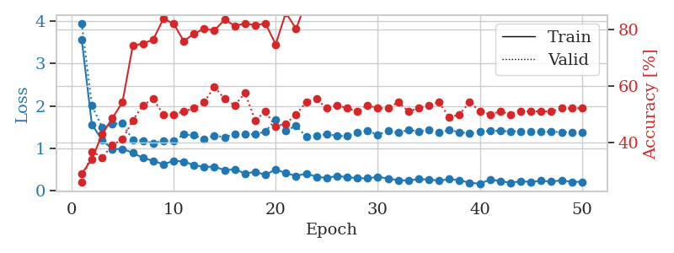
1.3414576831 | 2.1530983033 | 0.3722826087 | 0.3152173913 | 0.084747314453 | 37.22826087 | 31.52173913
1.0079489869 | 2.0023517505 | 0.42391304348 | 0.3152173913 | 0.084764480591 | 42.391304348 | 31.52173913
0.97176606759 | 1.8117097616 | 0.47554347826 | 0.39130434783 | 0.090003252029 | 47.554347826 | 39.130434783
0.85137271622 | 1.3678047398 | 0.66032608696 | 0.44565217391 | 0.090059995651 | 66.032608696 | 44.565217391
0.78248442515 | 1.2652688311 | 0.72010869565 | 0.51086956522 | 0.084867477417 | 72.010869565 | 51.086956522
0.74691892577 | 1.3120814873 | 0.77989130435 | 0.40217391304 | 0.085211515427 | 77.989130435 | 40.217391304
0.72501433155 | 1.2167898235 | 0.81793478261 | 0.44565217391 | 0.08474779129 | 81.793478261 | 44.565217391
0.59489279467 | 1.2128901715 | 0.83152173913 | 0.4347826087 | 0.084863185883 | 83.152173913 | 43.47826087
0.5793852236 | 1.3142956003 | 0.77717391304 | 0.4347826087 | 0.084855794907 | 77.717391304 | 43.47826087
0.58165832317 | 1.3344607561 | 0.79076086957 | 0.44565217391 | 0.084856510162 | 79.076086957 | 44.565217391
0.55727042063 | 1.4967093468 | 0.79076086957 | 0.4347826087 | 0.084980010986 | 79.076086957 | 43.47826087
0.52215762242 | 1.412964668 | 0.80706521739 | 0.48913043478 | 0.084976911545 | 80.706521739 | 48.913043478
0.48140296988 | 1.3734649679 | 0.83152173913 | 0.5 | 0.084824323654 | 83.152173913 | 50
0.50627354176 | 1.3546854309 | 0.76086956522 | 0.51086956522 | 0.084841489792 | 76.086956522 | 51.086956522
0.45053234049 | 1.3690820051 | 0.82608695652 | 0.53260869565 | 0.084841251373 | 82.608695652 | 53.260869565
0.4690570462 | 1.2921168986 | 0.88043478261 | 0.52173913043 | 0.1020181179 | 88.043478261 | 52.173913043
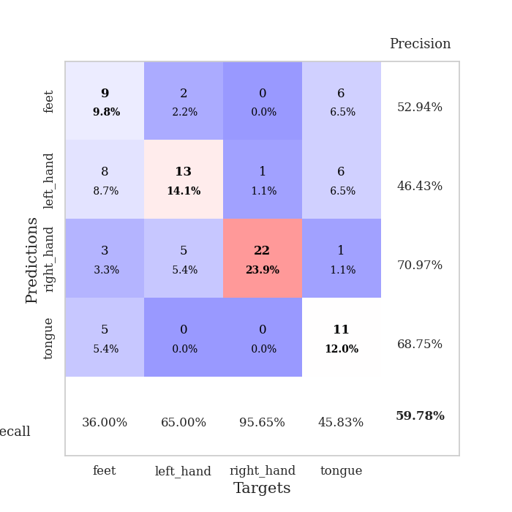
0.43135987676 | 1.2577373385 | 0.89945652174 | 0.5 | 0.09238743782 | 89.945652174 | 50
0.34810272054 | 1.3618769179 | 0.86141304348 | 0.54347826087 | 0.084913492203 | 86.141304348 | 54.347826087
0.36581854684 | 1.2932879795 | 0.91847826087 | 0.54347826087 | 0.085543870926 | 91.847826087 | 54.347826087
0.36156136834 | 1.5582462808 | 0.8152173913 | 0.5 | 0.0852227211 | 81.52173913 | 50
0.31041396928 | 1.5346318639 | 0.83423913043 | 0.5 | 0.085453271866 | 83.423913043 | 50
0.33085394424 | 1.5468453609 | 0.86413043478 | 0.5 | 0.085423707962 | 86.413043478 | 50
0.29537454474 | 1.5706971184 | 0.85054347826 | 0.51086956522 | 0.088625431061 | 85.054347826 | 51.086956522
0.30303249184 | 1.4222647522 | 0.92119565217 | 0.52173913043 | 0.089143276215 | 92.119565217 | 52.173913043
0.27016017975 | 1.5850575307 | 0.82880434783 | 0.5 | 0.085000991821 | 82.880434783 | 50
0.26600300845 | 1.7583119843 | 0.80434782609 | 0.51086956522 | 0.084864377975 | 80.434782609 | 51.086956522
0.26958327093 | 1.5816189543 | 0.86956521739 | 0.48913043478 | 0.087743997574 | 86.956521739 | 48.913043478
0.25757741588 | 1.4714321857 | 0.91032608696 | 0.54347826087 | 0.08501458168 | 91.032608696 | 54.347826087
0.29311783369 | 1.5019101086 | 0.91032608696 | 0.54347826087 | 0.084520578384 | 91.032608696 | 54.347826087
0.22922968087 | 1.5783347798 | 0.88043478261 | 0.52173913043 | 0.084806680679 | 88.043478261 | 52.173913043
0.23616655819 | 1.5985243813 | 0.86956521739 | 0.55434782609 | 0.084649562836 | 86.956521739 | 55.434782609
0.20684885558 | 1.6665144977 | 0.84782608696 | 0.53260869565 | 0.085181713104 | 84.782608696 | 53.260869565
0.20632605287 | 1.7058686148 | 0.84510869565 | 0.54347826087 | 0.085053443909 | 84.510869565 | 54.347826087
0.23795489983 | 1.6072545959 | 0.86413043478 | 0.55434782609 | 0.084625959396 | 86.413043478 | 55.434782609
0.18997432907 | 1.6656118865 | 0.83967391304 | 0.55434782609 | 0.098323345184 | 83.967391304 | 55.434782609
0.20796076824 | 1.6516749548 | 0.83152173913 | 0.54347826087 | 0.092821598053 | 83.152173913 | 54.347826087
0.23563405272 | 1.6998170822 | 0.82880434783 | 0.5652173913 | 0.085064411163 | 82.880434783 | 56.52173913
0.19870588264 | 1.6398785114 | 0.85054347826 | 0.5652173913 | 0.085335493088 | 85.054347826 | 56.52173913
0.18383493501 | 1.6654145899 | 0.84510869565 | 0.57608695652 | 0.086958408356 | 84.510869565 | 57.608695652
0.14805422124 | 1.6519800684 | 0.85597826087 | 0.5652173913 | 0.088366270065 | 85.597826087 | 56.52173913
0.177378312 | 1.6386671144 | 0.85597826087 | 0.5652173913 | 0.084785461426 | 85.597826087 | 56.52173913
0.20379214782 | 1.610603304 | 0.8722826087 | 0.55434782609 | 0.084924697876 | 87.22826087 | 55.434782609
0.17039497942 | 1.6118495879 | 0.8722826087 | 0.55434782609 | 0.094599962234 | 87.22826087 | 55.434782609
0.17678478441 | 1.6192740565 | 0.8722826087 | 0.55434782609 | 0.089566707611 | 87.22826087 | 55.434782609
0.17095718905 | 1.6182436036 | 0.8722826087 | 0.55434782609 | 0.084876775742 | 87.22826087 | 55.434782609
0.22607439611 | 1.6124117349 | 0.8722826087 | 0.55434782609 | 0.088978052139 | 87.22826087 | 55.434782609
0.19574307618 | 1.6086953308 | 0.8722826087 | 0.55434782609 | 0.08513045311 | 87.22826087 | 55.434782609
0.19080965415 | 1.6065173382 | 0.875 | 0.55434782609 | 0.085224628448 | 87.5 | 55.434782609

Best Val accuracy is 0.5760869565217391 and Best test accuracy is 0.5344827586206896

Sheet9
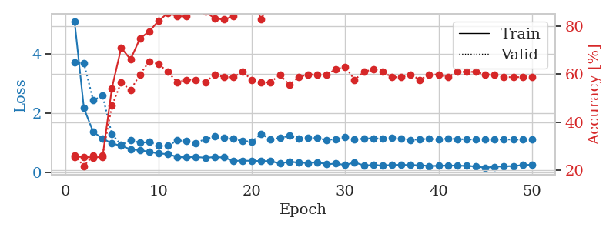
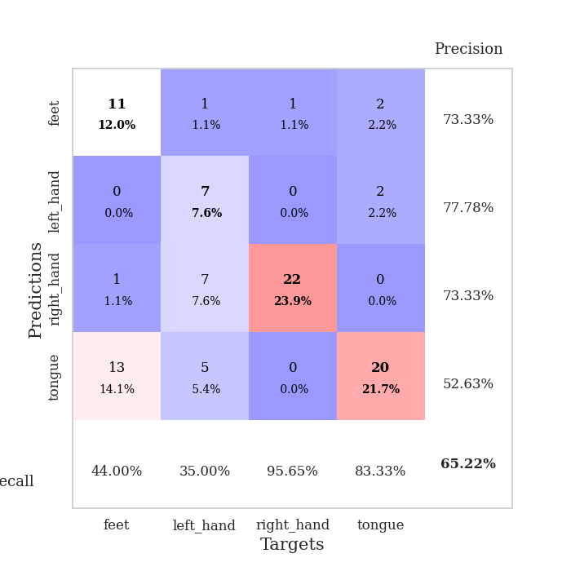
train_loss | valid_loss | train_accuracy | valid_accuracy | dur | train_misclass | valid_misclass
3.8389257659 | 3.15283596 | 0.28260869565 | 0.28260869565 | 0.081629037857 | 28.260869565 | 28.260869565
1.8114637447 | 2.3590973564 | 0.26630434783 | 0.28260869565 | 0.080202579498 | 26.630434783 | 28.260869565
1.3855286681 | 2.4005064342 | 0.29347826087 | 0.25 | 0.079949378967 | 29.347826087 | 25
1.2115554188 | 1.4607198757 | 0.45380434783 | 0.39130434783 | 0.083780765533 | 45.380434783 | 39.130434783
0.97956484297 | 1.4101662947 | 0.52173913043 | 0.45652173913 | 0.080005168915 | 52.173913043 | 45.652173913
0.86873694088 | 0.98915901132 | 0.72554347826 | 0.59782608696 | 0.079618692398 | 72.554347826 | 59.782608696
0.77743758456 | 1.002116237 | 0.67663043478 | 0.51086956522 | 0.08202457428 | 67.663043478 | 51.086956522
0.76076705819 | 0.9452759468 | 0.73097826087 | 0.53260869565 | 0.083879470825 | 73.097826087 | 53.260869565
0.71232838864 | 1.0578739565 | 0.66576086957 | 0.52173913043 | 0.083294630051 | 66.576086957 | 52.173913043
0.5503429304 | 0.95979455243 | 0.75 | 0.53260869565 | 0.080075025558 | 75 | 53.260869565
0.56847972844 | 1.2367151354 | 0.61413043478 | 0.52173913043 | 0.080266952515 | 61.413043478 | 52.173913043
0.49089488517 | 0.98069911677 | 0.77173913043 | 0.59782608696 | 0.079962968826 | 77.173913043 | 59.782608696
0.51770743987 | 0.95735046008 | 0.8722826087 | 0.59782608696 | 0.080110311508 | 87.22826087 | 59.782608696
0.50678049481 | 1.1005996958 | 0.76902173913 | 0.58695652174 | 0.082633018494 | 76.902173913 | 58.695652174
0.43518303788 | 0.9792557877 | 0.86141304348 | 0.57608695652 | 0.080437421799 | 86.141304348 | 57.608695652
0.43125299267 | 0.95492964206 | 0.86684782609 | 0.60869565217 | 0.078970909119 | 86.684782609 | 60.869565217
0.41580398834 | 0.93627985923 | 0.86413043478 | 0.60869565217 | 0.079505681992 | 86.413043478 | 60.869565217
0.40614469576 | 0.95086421137 | 0.89945652174 | 0.54347826087 | 0.078933238983 | 89.945652174 | 54.347826087
0.38186424744 | 0.98648665521 | 0.8777173913 | 0.63043478261 | 0.078609466553 | 87.77173913 | 63.043478261
0.36098738727 | 1.0261381528 | 0.86141304348 | 0.60869565217 | 0.078956365585 | 86.141304348 | 60.869565217
0.38163403162 | 0.98711343434 | 0.83423913043 | 0.59782608696 | 0.078808069229 | 83.423913043 | 59.782608696
0.3865590494 | 0.86193008397 | 0.89673913043 | 0.64130434783 | 0.080880403519 | 89.673913043 | 64.130434783
0.29272496765 | 0.91197295033 | 0.85869565217 | 0.64130434783 | 0.08013510704 | 85.869565217 | 64.130434783
0.27168193103 | 0.91975217021 | 0.91032608696 | 0.65217391304 | 0.079736232758 | 91.032608696 | 65.217391304
0.28572318962 | 1.0348751104 | 0.88315217391 | 0.66304347826 | 0.080134391785 | 88.315217391 | 66.304347826
0.27285117429 | 0.98207119626 | 0.89945652174 | 0.59782608696 | 0.079925775528 | 89.945652174 | 59.782608696
0.32119793477 | 1.0116022592 | 0.89673913043 | 0.64130434783 | 0.079837322235 | 89.673913043 | 64.130434783
0.2629134817 | 1.0171037783 | 0.86684782609 | 0.61956521739 | 0.079703092575 | 86.684782609 | 61.956521739
0.25146238441 | 0.86558715027 | 0.9347826087 | 0.66304347826 | 0.079832315445 | 93.47826087 | 66.304347826
0.29935368734 | 0.85158145298 | 0.94836956522 | 0.6847826087 | 0.080229997635 | 94.836956522 | 68.47826087
0.26141228916 | 0.83245419549 | 0.95108695652 | 0.66304347826 | 0.080001831055 | 95.108695652 | 66.304347826
0.23596472844 | 0.86067539842 | 0.9347826087 | 0.66304347826 | 0.080083847046 | 93.47826087 | 66.304347826
0.21427248596 | 0.80277633278 | 0.95652173913 | 0.66304347826 | 0.08024096489 | 95.652173913 | 66.304347826
0.24606076693 | 0.81209529353 | 0.96195652174 | 0.66304347826 | 0.079832077026 | 96.195652174 | 66.304347826
0.21472080667 | 0.82594520761 | 0.94836956522 | 0.65217391304 | 0.080139875412 | 94.836956522 | 65.217391304
0.18162859863 | 0.83114440156 | 0.95380434783 | 0.69565217391 | 0.081075429916 | 95.380434783 | 69.565217391
0.20421416296 | 0.83065566161 | 0.94836956522 | 0.69565217391 | 0.082603931427 | 94.836956522 | 69.565217391
0.22182220755 | 0.84100928903 | 0.9375 | 0.67391304348 | 0.080426931381 | 93.75 | 67.391304348
0.21733273509 | 0.82928265566 | 0.9375 | 0.70652173913 | 0.079784870148 | 93.75 | 70.652173913
0.19402300453 | 0.82438309167 | 0.9375 | 0.69565217391 | 0.079962015152 | 93.75 | 69.565217391
0.19921561071 | 0.82934565129 | 0.9347826087 | 0.69565217391 | 0.07990026474 | 93.47826087 | 69.565217391
0.18134713019 | 0.83433861447 | 0.94293478261 | 0.67391304348 | 0.079831838608 | 94.293478261 | 67.391304348
0.20258890935 | 0.82286749197 | 0.94565217391 | 0.6847826087 | 0.080278635025 | 94.565217391 | 68.47826087
0.15768897695 | 0.81959787529 | 0.95108695652 | 0.69565217391 | 0.079991579056 | 95.108695652 | 69.565217391
0.18251431976 | 0.81067869067 | 0.95923913043 | 0.6847826087 | 0.080035686493 | 95.923913043 | 68.47826087
0.17938638673 | 0.80277435158 | 0.95923913043 | 0.6847826087 | 0.079819917679 | 95.923913043 | 68.47826087
0.12679122016 | 0.80054591531 | 0.96195652174 | 0.6847826087 | 0.079859256744 | 96.195652174 | 68.47826087
0.16026798628 | 0.80020092363 | 0.96195652174 | 0.67391304348 | 0.07975935936 | 96.195652174 | 67.391304348
0.22043904516 | 0.79926514237 | 0.96195652174 | 0.67391304348 | 0.079843997955 | 96.195652174 | 67.391304348
0.19274709082 | 0.79802562879 | 0.96195652174 | 0.67391304348 | 0.080042600632 | 96.195652174 | 67.391304348

Best Val accuracy is 0.7065217391304348 and Best test accuracy is 0.6206896551724138
train_loss | valid_loss | train_accuracy | valid_accuracy | dur | train_misclass | valid_misclass
5.0889824784 | 3.696886187 | 0.25543478261 | 0.26086956522 | 0.087248325348 | 25.543478261 | 26.086956522
2.1691573651 | 3.6783353557 | 0.25543478261 | 0.21739130435 | 0.08553814888 | 25.543478261 | 21.739130435
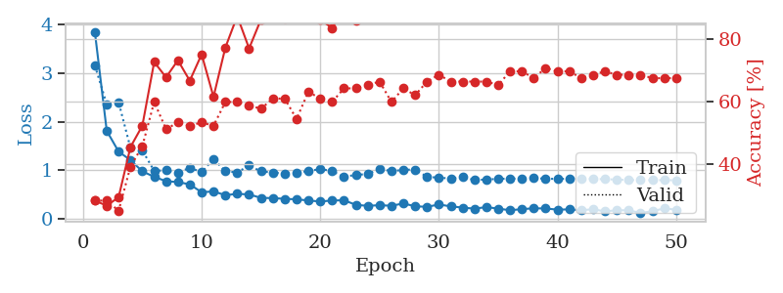
1.3678409302 | 2.4346171877 | 0.2527173913 | 0.26086956522 | 0.085839033127 | 25.27173913 | 26.086956522
1.1499702723 | 2.5842863684 | 0.25543478261 | 0.26086956522 | 0.088924407959 | 25.543478261 | 26.086956522
0.98214158805 | 1.2963966105 | 0.54076086957 | 0.46739130435 | 0.083644151688 | 54.076086957 | 46.739130435
0.90296479412 | 0.92841830202 | 0.70923913043 | 0.5652173913 | 0.084223508835 | 70.923913043 | 56.52173913
0.78643680137 | 1.0939550581 | 0.66032608696 | 0.53260869565 | 0.084057569504 | 66.032608696 | 53.260869565
0.75498095284 | 1.0042498449 | 0.7472826087 | 0.59782608696 | 0.084499597549 | 74.72826087 | 59.782608696
0.70180983388 | 1.0305517432 | 0.77717391304 | 0.65217391304 | 0.084373950958 | 77.717391304 | 65.217391304
0.64341288416 | 0.92114649519 | 0.82065217391 | 0.64130434783 | 0.084391593933 | 82.065217391 | 64.130434783
0.62553056686 | 0.89969912042 | 0.85326086957 | 0.60869565217 | 0.087584733963 | 85.326086957 | 60.869565217
0.52816668153 | 1.0848685218 | 0.83967391304 | 0.5652173913 | 0.085598230362 | 83.967391304 | 56.52173913
0.51837601804 | 1.0594337259 | 0.83967391304 | 0.57608695652 | 0.085431337357 | 83.967391304 | 57.608695652
0.52674187396 | 1.0017403442 | 0.88586956522 | 0.57608695652 | 0.085650205612 | 88.586956522 | 57.608695652
0.50386032009 | 1.1261810362 | 0.85869565217 | 0.5652173913 | 0.085072040558 | 85.869565217 | 56.52173913
0.52364439161 | 1.2098113156 | 0.83152173913 | 0.59782608696 | 0.085738182068 | 83.152173913 | 59.782608696
0.51190323998 | 1.1613810296 | 0.82608695652 | 0.58695652174 | 0.088423728943 | 82.608695652 | 58.695652174
0.39684812271 | 1.1407564282 | 0.83967391304 | 0.58695652174 | 0.084968328476 | 83.967391304 | 58.695652174
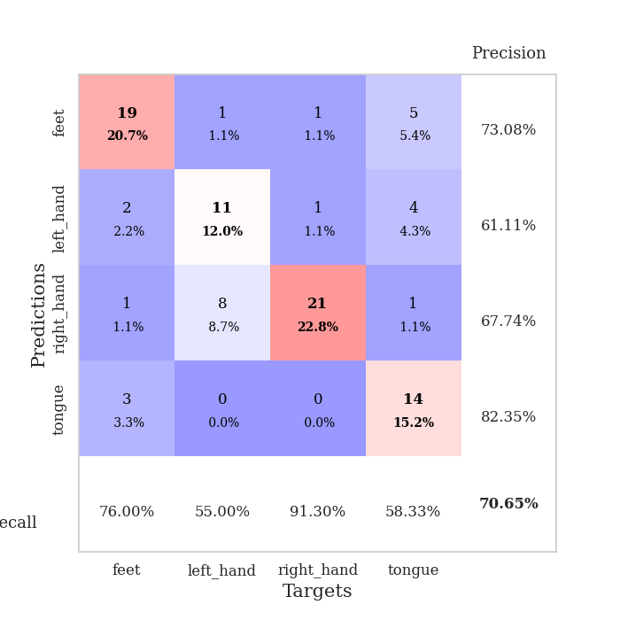
0.40248669263 | 1.057664949 | 0.88315217391 | 0.60869565217 | 0.085195064545 | 88.315217391 | 60.869565217
0.40030481569 | 1.0481678183 | 0.91847826087 | 0.57608695652 | 0.084908246994 | 91.847826087 | 57.608695652
0.38753793486 | 1.3033545199 | 0.82608695652 | 0.5652173913 | 0.085126161575 | 82.608695652 | 56.52173913
0.3885486884 | 1.1143439995 | 0.91576086957 | 0.5652173913 | 0.086549043655 | 91.576086957 | 56.52173913
0.3078451189 | 1.1653938034 | 0.89130434783 | 0.59782608696 | 0.085253477097 | 89.130434783 | 59.782608696
0.37048726043 | 1.2374538028 | 0.8722826087 | 0.55434782609 | 0.085304021835 | 87.22826087 | 55.434782609
0.3380475948 | 1.1474971888 | 0.92391304348 | 0.58695652174 | 0.085049152374 | 92.391304348 | 58.695652174
0.32641040372 | 1.1650978612 | 0.90760869565 | 0.59782608696 | 0.084574699402 | 90.760869565 | 59.782608696
0.3541530808 | 1.1608108762 | 0.90760869565 | 0.59782608696 | 0.084984779358 | 90.760869565 | 59.782608696
0.280244693 | 1.0976823827 | 0.92663043478 | 0.59782608696 | 0.085541248322 | 92.663043478 | 59.782608696
0.30751140286 | 1.1293523921 | 0.92391304348 | 0.61956521739 | 0.084900140762 | 92.391304348 | 61.956521739
0.25882376892 | 1.1848837435 | 0.91032608696 | 0.63043478261 | 0.084941387177 | 91.032608696 | 63.043478261
0.34320837033 | 1.110748072 | 0.94565217391 | 0.57608695652 | 0.085222005844 | 94.565217391 | 57.608695652
0.24441685965 | 1.145202419 | 0.9375 | 0.60869565217 | 0.085137844086 | 93.75 | 60.869565217
0.2572465837 | 1.1553631749 | 0.91847826087 | 0.61956521739 | 0.085206747055 | 91.847826087 | 61.956521739
0.2424878193 | 1.1446989762 | 0.92934782609 | 0.60869565217 | 0.085299491882 | 92.934782609 | 60.869565217
0.2555861486 | 1.1733734672 | 0.9402173913 | 0.58695652174 | 0.085277557373 | 94.02173913 | 58.695652174
0.26482402339 | 1.1411146133 | 0.94836956522 | 0.58695652174 | 0.085551977158 | 94.836956522 | 58.695652174
0.25425747895 | 1.0979961325 | 0.95923913043 | 0.59782608696 | 0.087749481201 | 95.923913043 | 59.782608696
0.25159695161 | 1.123498616 | 0.96195652174 | 0.57608695652 | 0.092704772949 | 96.195652174 | 57.608695652
0.22593641281 | 1.1339867854 | 0.95652173913 | 0.59782608696 | 0.085470676422 | 95.652173913 | 59.782608696
0.23042532996 | 1.1256505471 | 0.94293478261 | 0.59782608696 | 0.084910869598 | 94.293478261 | 59.782608696
0.24454730425 | 1.1444263886 | 0.94293478261 | 0.58695652174 | 0.0887799263 | 94.293478261 | 58.695652174
0.23427296446 | 1.1306335032 | 0.95108695652 | 0.60869565217 | 0.085001468658 | 95.108695652 | 60.869565217
0.23118488976 | 1.1175291137 | 0.95923913043 | 0.60869565217 | 0.084667921066 | 95.923913043 | 60.869565217
0.20814705413 | 1.1187967269 | 0.95652173913 | 0.60869565217 | 0.085154771805 | 95.652173913 | 60.869565217
0.16880373349 | 1.1178550578 | 0.95923913043 | 0.59782608696 | 0.085478544235 | 95.923913043 | 59.782608696
0.19930788178 | 1.1176344688 | 0.96195652174 | 0.59782608696 | 0.085525035858 | 96.195652174 | 59.782608696
0.21363162217 | 1.1151365392 | 0.96195652174 | 0.58695652174 | 0.085354566574 | 96.195652174 | 58.695652174
0.22421201059 | 1.1144093444 | 0.96195652174 | 0.58695652174 | 0.084982633591 | 96.195652174 | 58.695652174
0.25423428967 | 1.1125947716 | 0.96195652174 | 0.58695652174 | 0.085045576096 | 96.195652174 | 58.695652174
0.26723768724 | 1.1112763001 | 0.96467391304 | 0.58695652174 | 0.085659265518 | 96.467391304 | 58.695652174

Best Val accuracy is 0.6521739130434783 and Best test accuracy is 0.6293103448275862

Sheet10
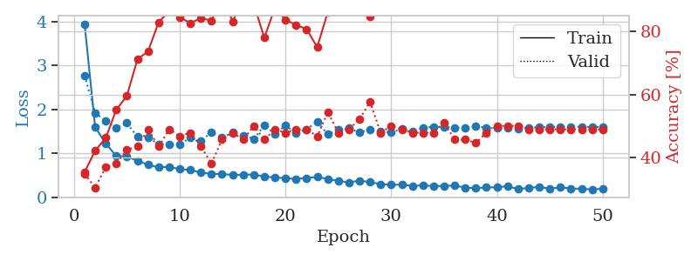
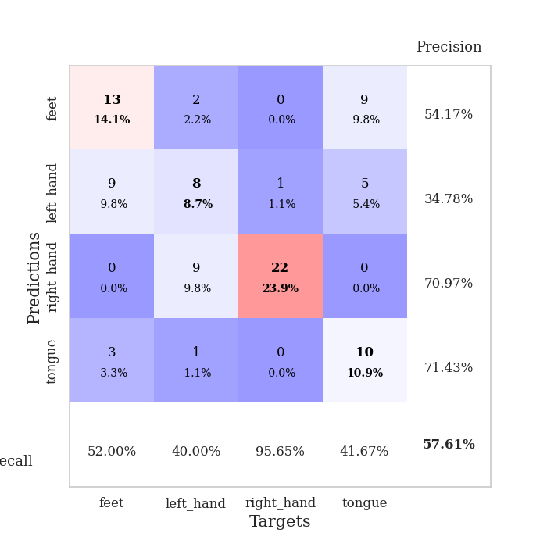
train_loss | valid_loss | train_accuracy | valid_accuracy | dur | train_misclass | valid_misclass
3.2534711309 | 3.5855669975 | 0.24184782609 | 0.27173913043 | 0.081815719604 | 24.184782609 | 27.173913043
1.4606661226 | 1.751022712 | 0.35869565217 | 0.32608695652 | 0.080780744553 | 35.869565217 | 32.608695652
1.3221351349 | 1.9013185812 | 0.35869565217 | 0.3152173913 | 0.078389167786 | 35.869565217 | 31.52173913
1.1458362963 | 1.465286146 | 0.57065217391 | 0.36956521739 | 0.078372716904 | 57.065217391 | 36.956521739
0.99737962951 | 1.368566114 | 0.66847826087 | 0.44565217391 | 0.078507184982 | 66.847826087 | 44.565217391
0.94237368262 | 1.3702709416 | 0.68206521739 | 0.44565217391 | 0.078511714935 | 68.206521739 | 44.565217391
0.92518178795 | 1.2011381025 | 0.74456521739 | 0.48913043478 | 0.078503131866 | 74.456521739 | 48.913043478
0.84210400478 | 1.1471012235 | 0.74456521739 | 0.52173913043 | 0.078408002853 | 74.456521739 | 52.173913043
0.78828731698 | 1.1544740615 | 0.72554347826 | 0.55434782609 | 0.0786049366 | 72.554347826 | 55.434782609
0.68642562757 | 1.1038881203 | 0.8097826087 | 0.5652173913 | 0.078455924988 | 80.97826087 | 56.52173913
0.67918831887 | 1.0813059522 | 0.78260869565 | 0.57608695652 | 0.078975915909 | 78.260869565 | 57.608695652
0.61042475571 | 1.1279019273 | 0.77989130435 | 0.53260869565 | 0.078490257263 | 77.989130435 | 53.260869565
0.62098214419 | 1.2519218144 | 0.76358695652 | 0.55434782609 | 0.078512430191 | 76.358695652 | 55.434782609
0.58655541358 | 1.3057789595 | 0.75 | 0.53260869565 | 0.078447818756 | 75 | 53.260869565
0.49006113799 | 1.253920848 | 0.78532608696 | 0.55434782609 | 0.078576564789 | 78.532608696 | 55.434782609
0.49839934771 | 1.2598621094 | 0.82608695652 | 0.55434782609 | 0.078503370285 | 82.608695652 | 55.434782609
0.50659164657 | 1.1772451634 | 0.83967391304 | 0.58695652174 | 0.078400611877 | 83.967391304 | 58.695652174
0.44100218169 | 1.2092299384 | 0.88043478261 | 0.60869565217 | 0.07849407196 | 88.043478261 | 60.869565217
0.46902503138 | 1.1980580532 | 0.89402173913 | 0.54347826087 | 0.078529834747 | 89.402173913 | 54.347826087
0.45575818419 | 1.3267319487 | 0.875 | 0.48913043478 | 0.078463792801 | 87.5 | 48.913043478
0.38139282361 | 1.4083630054 | 0.86684782609 | 0.51086956522 | 0.079569101334 | 86.684782609 | 51.086956522
0.40059785674 | 1.4532966484 | 0.86413043478 | 0.47826086957 | 0.07959985733 | 86.413043478 | 47.826086957
0.42024920881 | 1.260573242 | 0.92663043478 | 0.53260869565 | 0.079507350922 | 92.663043478 | 53.260869565
0.39597919195 | 1.4328364497 | 0.90489130435 | 0.53260869565 | 0.079614162445 | 90.489130435 | 53.260869565
0.34594211371 | 1.4716994659 | 0.88858695652 | 0.53260869565 | 0.079435825348 | 88.858695652 | 53.260869565
0.33278800741 | 1.4225798742 | 0.90760869565 | 0.54347826087 | 0.079544305801 | 90.760869565 | 54.347826087
0.36884686869 | 1.468286789 | 0.92391304348 | 0.53260869565 | 0.079450368881 | 92.391304348 | 53.260869565
0.32374510963 | 1.4114998631 | 0.92119565217 | 0.55434782609 | 0.079535961151 | 92.119565217 | 55.434782609
0.28630903428 | 1.4929567679 | 0.8777173913 | 0.53260869565 | 0.079593658447 | 87.77173913 | 53.260869565
0.28091448805 | 1.3984362017 | 0.91032608696 | 0.57608695652 | 0.079547166824 | 91.032608696 | 57.608695652
0.27649578323 | 1.439314044 | 0.91032608696 | 0.5652173913 | 0.079500675201 | 91.032608696 | 56.52173913
0.25060466029 | 1.4428599503 | 0.90217391304 | 0.57608695652 | 0.079506635666 | 90.217391304 | 57.608695652
0.27420476209 | 1.4330990522 | 0.91304347826 | 0.5652173913 | 0.079668998718 | 91.304347826 | 56.52173913
0.27520529019 | 1.4227836132 | 0.9402173913 | 0.55434782609 | 0.079700231552 | 94.02173913 | 55.434782609
0.27153276231 | 1.4694678161 | 0.94293478261 | 0.53260869565 | 0.079799890518 | 94.293478261 | 53.260869565
0.24553517447 | 1.4708759318 | 0.9375 | 0.54347826087 | 0.079587697983 | 93.75 | 54.347826087
0.24107107099 | 1.4085506434 | 0.95108695652 | 0.58695652174 | 0.07958483696 | 95.108695652 | 58.695652174
0.25385116818 | 1.4505955318 | 0.94836956522 | 0.55434782609 | 0.079582452774 | 94.836956522 | 55.434782609
0.17651875916 | 1.4758540936 | 0.94293478261 | 0.55434782609 | 0.079495191574 | 94.293478261 | 55.434782609
0.22940393084 | 1.4759673139 | 0.9347826087 | 0.5652173913 | 0.079612255096 | 93.47826087 | 56.52173913
0.26398534749 | 1.4757902285 | 0.9347826087 | 0.5652173913 | 0.079538106918 | 93.47826087 | 56.52173913
0.21338894834 | 1.467959702 | 0.94293478261 | 0.58695652174 | 0.079667806625 | 94.293478261 | 58.695652174
0.18494868279 | 1.4761082737 | 0.94293478261 | 0.5652173913 | 0.079518318176 | 94.293478261 | 56.52173913
0.17999154054 | 1.4781647895 | 0.9402173913 | 0.57608695652 | 0.079812526703 | 94.02173913 | 57.608695652
0.20145015435 | 1.4740621966 | 0.94565217391 | 0.57608695652 | 0.07968211174 | 94.565217391 | 57.608695652
0.22827905627 | 1.4522425817 | 0.95652173913 | 0.59782608696 | 0.079566001892 | 95.652173913 | 59.782608696
0.18430950169 | 1.4492691418 | 0.96195652174 | 0.59782608696 | 0.079649448395 | 96.195652174 | 59.782608696
0.20892201202 | 1.4492137121 | 0.96195652174 | 0.59782608696 | 0.079652547836 | 96.195652174 | 59.782608696
0.20302945084 | 1.4479377969 | 0.96195652174 | 0.59782608696 | 0.079627037048 | 96.195652174 | 59.782608696
0.19489388913 | 1.4467507005 | 0.96195652174 | 0.59782608696 | 0.07950425148 | 96.195652174 | 59.782608696

Best Val accuracy is 0.6086956521739131 and Best test accuracy is 0.5258620689655172
train_loss | valid_loss | train_accuracy | valid_accuracy | dur | train_misclass | valid_misclass
3.9431977479 | 2.7677391508 | 0.35326086957 | 0.34782608696 | 0.086196899414 | 35.326086957 | 34.782608696
1.5974695112 | 1.9229463391 | 0.42119565217 | 0.30434782609 | 0.084452629089 | 42.119565217 | 30.434782609
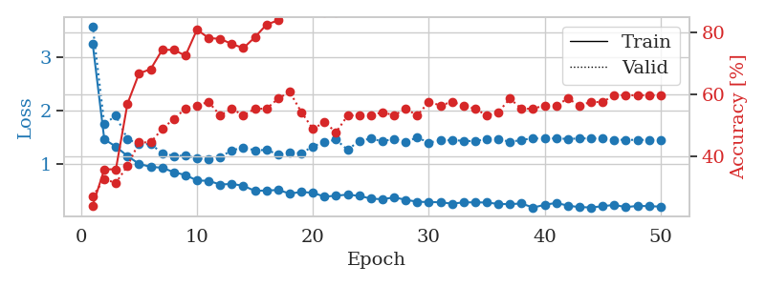
1.2235549248 | 1.7375835439 | 0.46195652174 | 0.36956521739 | 0.084366559982 | 46.195652174 | 36.956521739
0.94127066498 | 1.5768871981 | 0.55163043478 | 0.38043478261 | 0.084379434586 | 55.163043478 | 38.043478261
0.93140568163 | 1.6896433105 | 0.59510869565 | 0.42391304348 | 0.084372520447 | 59.510869565 | 42.391304348
0.83221444747 | 1.375084408 | 0.71195652174 | 0.4347826087 | 0.084305286407 | 71.195652174 | 43.47826087
0.74190278287 | 1.3667675127 | 0.73641304348 | 0.48913043478 | 0.087911605835 | 73.641304348 | 48.913043478
0.68197156035 | 1.206232426 | 0.82880434783 | 0.4347826087 | 0.084496974945 | 82.880434783 | 43.47826087
0.69555546279 | 1.2011640694 | 0.86413043478 | 0.48913043478 | 0.084565877914 | 86.413043478 | 48.913043478
0.64338781393 | 1.2060896029 | 0.84510869565 | 0.46739130435 | 0.086403608322 | 84.510869565 | 46.739130435
0.62467139441 | 1.3582579701 | 0.82608695652 | 0.47826086957 | 0.084204912186 | 82.608695652 | 47.826086957
0.56491984621 | 1.2869491007 | 0.84239130435 | 0.4347826087 | 0.083934545517 | 84.239130435 | 43.47826087
0.53435783283 | 1.4765113476 | 0.83423913043 | 0.38043478261 | 0.083963155746 | 83.423913043 | 38.043478261
0.5327296866 | 1.3561936384 | 0.91304347826 | 0.45652173913 | 0.083895206451 | 91.304347826 | 45.652173913
0.51030146687 | 1.4766153952 | 0.83152173913 | 0.47826086957 | 0.083809137344 | 83.152173913 | 47.826086957
0.51475377705 | 1.4114571602 | 0.90217391304 | 0.45652173913 | 0.083723306656 | 90.217391304 | 45.652173913
0.52150909862 | 1.3306393857 | 0.88586956522 | 0.5 | 0.085814476013 | 88.586956522 | 50
0.47247457958 | 1.6371252381 | 0.77989130435 | 0.45652173913 | 0.084225416183 | 77.989130435 | 45.652173913
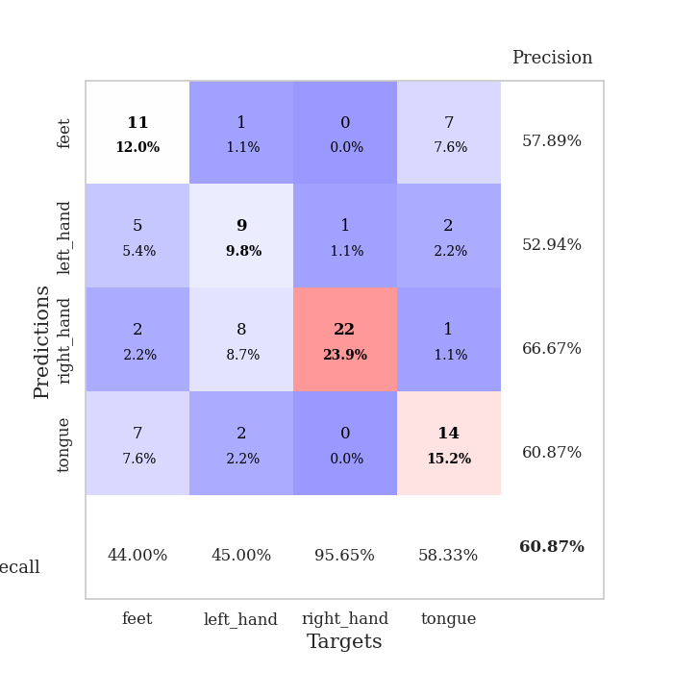
0.45363910108 | 1.4420990192 | 0.875 | 0.48913043478 | 0.084341049194 | 87.5 | 48.913043478
0.43704015535 | 1.629883209 | 0.83695652174 | 0.47826086957 | 0.08421421051 | 83.695652174 | 47.826086957
0.41982768573 | 1.4652873329 | 0.82065217391 | 0.48913043478 | 0.086401224136 | 82.065217391 | 48.913043478
0.44235383007 | 1.5496761851 | 0.80706521739 | 0.48913043478 | 0.084369182587 | 80.706521739 | 48.913043478
0.46573730655 | 1.7257774084 | 0.75 | 0.46739130435 | 0.084249973297 | 75 | 46.739130435
0.41979749177 | 1.4334407578 | 0.86141304348 | 0.54347826087 | 0.084132194519 | 86.141304348 | 54.347826087
0.37497708784 | 1.5410179029 | 0.8777173913 | 0.47826086957 | 0.084610462189 | 87.77173913 | 47.826086957
0.34140370592 | 1.5710352115 | 0.88858695652 | 0.48913043478 | 0.084890127182 | 88.858695652 | 48.913043478
0.38043793129 | 1.4775314357 | 0.91847826087 | 0.52173913043 | 0.084170103073 | 91.847826087 | 52.173913043
0.34891748396 | 1.5479198539 | 0.84782608696 | 0.57608695652 | 0.084498643875 | 84.782608696 | 57.608695652
0.30204459636 | 1.4993681286 | 0.93206521739 | 0.47826086957 | 0.084421157837 | 93.206521739 | 47.826086957
0.28743098806 | 1.4797272967 | 0.9375 | 0.5 | 0.084170818329 | 93.75 | 50
0.28944152723 | 1.552168346 | 0.92119565217 | 0.48913043478 | 0.084276676178 | 92.119565217 | 48.913043478
0.26263165506 | 1.5076726701 | 0.91847826087 | 0.47826086957 | 0.084354400635 | 91.847826087 | 47.826086957
0.27425519061 | 1.5817755202 | 0.91304347826 | 0.47826086957 | 0.084411859512 | 91.304347826 | 47.826086957
0.25482393348 | 1.6047388782 | 0.92119565217 | 0.47826086957 | 0.084802865982 | 92.119565217 | 47.826086957
0.26206847896 | 1.6043657064 | 0.92934782609 | 0.51086956522 | 0.084127664566 | 92.934782609 | 51.086956522
0.27010264474 | 1.5840589223 | 0.92663043478 | 0.45652173913 | 0.08428478241 | 92.663043478 | 45.652173913
0.221859436 | 1.5721656473 | 0.92119565217 | 0.45652173913 | 0.084190368652 | 92.119565217 | 45.652173913
0.21164409136 | 1.6211651071 | 0.92391304348 | 0.44565217391 | 0.084508895874 | 92.391304348 | 44.565217391
0.2264501412 | 1.5783576473 | 0.92119565217 | 0.47826086957 | 0.084316015244 | 92.119565217 | 47.826086957
0.23112931297 | 1.5714124778 | 0.9375 | 0.5 | 0.084666728973 | 93.75 | 50
0.25439443958 | 1.5766311288 | 0.9347826087 | 0.5 | 0.084506034851 | 93.47826087 | 50
0.18843075536 | 1.5698958687 | 0.92934782609 | 0.5 | 0.084484577179 | 92.934782609 | 50
0.21868190218 | 1.5828708669 | 0.9402173913 | 0.48913043478 | 0.086045026779 | 94.02173913 | 48.913043478
0.23637644331 | 1.5931294042 | 0.9347826087 | 0.48913043478 | 0.08460021019 | 93.47826087 | 48.913043478
0.20133646675 | 1.5994567482 | 0.9402173913 | 0.48913043478 | 0.084214448929 | 94.02173913 | 48.913043478
0.22871234608 | 1.6075941687 | 0.9375 | 0.48913043478 | 0.08454823494 | 93.75 | 48.913043478
0.20301645541 | 1.6054308803 | 0.94565217391 | 0.48913043478 | 0.084607362747 | 94.565217391 | 48.913043478
0.19536677375 | 1.603960895 | 0.94565217391 | 0.48913043478 | 0.084953308105 | 94.565217391 | 48.913043478
0.18141588472 | 1.6013280127 | 0.95108695652 | 0.48913043478 | 0.084669828415 | 95.108695652 | 48.913043478
0.19697788374 | 1.5993894701 | 0.95108695652 | 0.48913043478 | 0.084668159485 | 95.108695652 | 48.913043478

Best Val accuracy is 0.5760869565217391 and Best test accuracy is 0.5344827586206896

