Sheet
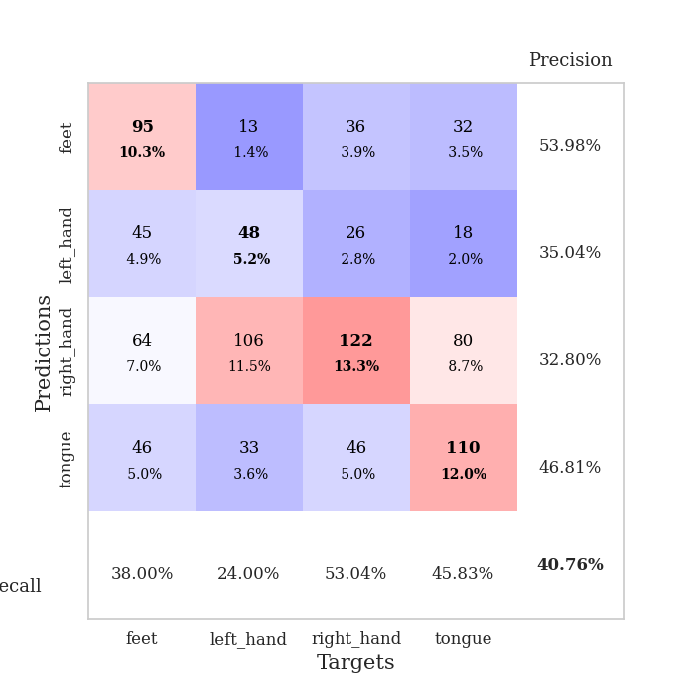
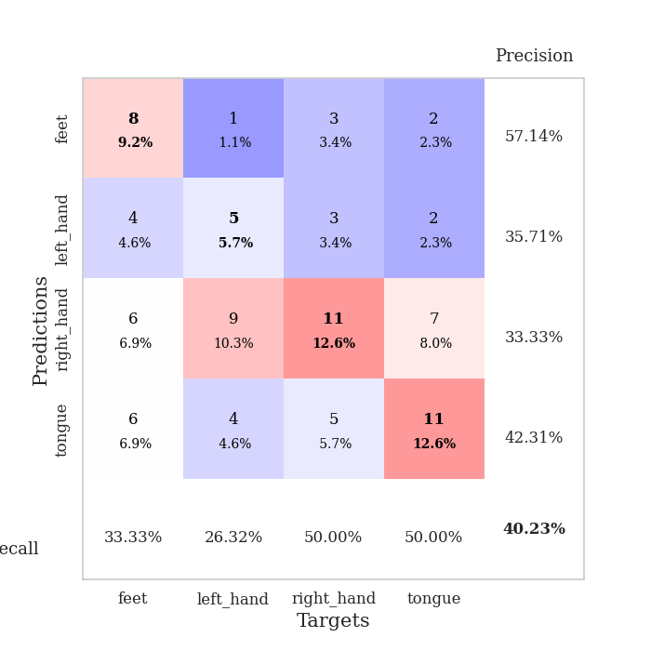
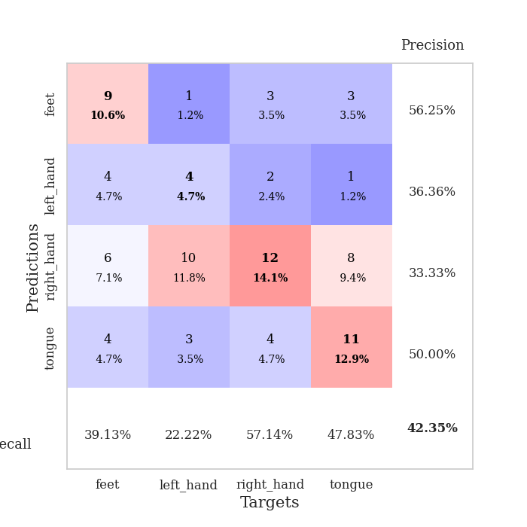
best_val_acc | best_val_los | best_test_acc
0.46739130435 | 1.3025874081 | 0.36206896552
0.39130434783 | 1.432539178 | 0.30172413793
0.39130434783 | 1.5589938527 | 0.34482758621
0.36956521739 | 1.467382799 | 0.36206896552
0.38043478261 | 1.4526244506 | 0.36206896552
0.39130434783 | 1.3117243103 | 0.37931034483
0.38043478261 | 1.3936336818 | 0.31034482759
0.34782608696 | 1.5817774016 | 0.29310344828
0.40217391304 | 1.5052794322 | 0.33620689655
0.42391304348 | 1.4606979152 | 0.38793103448

Mean,std Val accuracy is 0.3945652173913044 , 0.03242703019603543 and mean, std test accuracy is 0.3439655172413793 , 0.0328768787010657
best_val_acc | best_val_los | best_test_acc
0.4347826087 | 1.5581118801 | 0.31896551724
0.41304347826 | 1.4054246934 | 0.35344827586

0.39130434783 | 1.474581537 | 0.29310344828
0.41304347826 | 1.5387612167 | 0.35344827586
0.4347826087 | 1.3710536387 | 0.3275862069
0.36956521739 | 1.4830649988 | 0.3275862069
0.41304347826 | 1.4611298053 | 0.34482758621
0.39130434783 | 1.4267849922 | 0.29310344828
0.42391304348 | 1.3585924428 | 0.37068965517
0.39130434783 | 1.5051698477 | 0.37068965517

Mean,std Val accuracy is 0.40760869565217395 , 0.02128141326896871 and mean, std test accuracy is 0.3353448275862069 , 0.02828672345362004

Sheet1
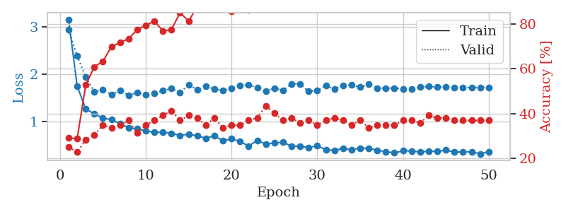
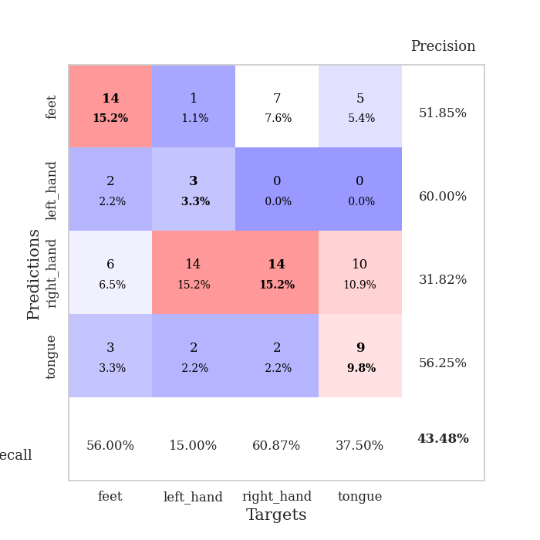
train_loss | valid_loss | train_accuracy | valid_accuracy | dur | train_misclass | valid_misclass
3.4458580535 | 4.9058730913 | 0.24184782609 | 0.27173913043 | 0.084209918976 | 24.184782609 | 27.173913043
1.5275278921 | 2.3949544326 | 0.32608695652 | 0.30434782609 | 0.080341100693 | 32.608695652 | 30.434782609
1.3957193883 | 2.3302774637 | 0.35597826087 | 0.30434782609 | 0.080051898956 | 35.597826087 | 30.434782609
1.3081333223 | 2.504056008 | 0.36141304348 | 0.23913043478 | 0.080443143845 | 36.141304348 | 23.913043478
1.2629803886 | 1.7621990701 | 0.4375 | 0.29347826087 | 0.080168008804 | 43.75 | 29.347826087
1.207334648 | 1.4061002524 | 0.61141304348 | 0.38043478261 | 0.079859018326 | 61.141304348 | 38.043478261
1.0858049263 | 1.3607240449 | 0.65760869565 | 0.34782608696 | 0.080215215683 | 65.760869565 | 34.782608696
1.0853818603 | 1.3357599663 | 0.65489130435 | 0.38043478261 | 0.080092668533 | 65.489130435 | 38.043478261
1.0554246721 | 1.5227195024 | 0.61413043478 | 0.30434782609 | 0.080338001251 | 61.413043478 | 30.434782609
0.94493577532 | 1.3455563162 | 0.70923913043 | 0.38043478261 | 0.080114364624 | 70.923913043 | 38.043478261
0.94617948325 | 1.3918157712 | 0.6902173913 | 0.33695652174 | 0.080137968063 | 69.02173913 | 33.695652174
0.94514076088 | 1.3088206597 | 0.75 | 0.4347826087 | 0.080078840256 | 75 | 43.47826087
0.85834575477 | 1.3053972255 | 0.80434782609 | 0.44565217391 | 0.080317258835 | 80.434782609 | 44.565217391
0.81725020512 | 1.3946439442 | 0.80163043478 | 0.36956521739 | 0.080126523972 | 80.163043478 | 36.956521739
0.84472262082 | 1.3927420067 | 0.80706521739 | 0.39130434783 | 0.080117225647 | 80.706521739 | 39.130434783
0.82017512425 | 1.4159155721 | 0.80706521739 | 0.36956521739 | 0.079897642136 | 80.706521739 | 36.956521739
0.80088014188 | 1.3132478051 | 0.81793478261 | 0.38043478261 | 0.079992055893 | 81.793478261 | 38.043478261
0.69232061894 | 1.3366934735 | 0.82880434783 | 0.38043478261 | 0.080248594284 | 82.880434783 | 38.043478261
0.66953507584 | 1.3696301579 | 0.83423913043 | 0.42391304348 | 0.08012676239 | 83.423913043 | 42.391304348
0.64815736594 | 1.3372956618 | 0.86141304348 | 0.42391304348 | 0.079954862595 | 86.141304348 | 42.391304348
0.60001348413 | 1.339723118 | 0.85326086957 | 0.4347826087 | 0.080033063889 | 85.326086957 | 43.47826087
0.56978477862 | 1.3616953207 | 0.89130434783 | 0.44565217391 | 0.080192804337 | 89.130434783 | 44.565217391
0.59399771042 | 1.3025874081 | 0.92119565217 | 0.44565217391 | 0.080120325089 | 92.119565217 | 44.565217391
0.53491664581 | 1.3381986333 | 0.92663043478 | 0.44565217391 | 0.080240488052 | 92.663043478 | 44.565217391
0.5277286917 | 1.3947635034 | 0.90489130435 | 0.42391304348 | 0.08013510704 | 90.489130435 | 42.391304348
0.53255581078 | 1.4112832028 | 0.94836956522 | 0.39130434783 | 0.080362081528 | 94.836956522 | 39.130434783
0.52702600606 | 1.4570274405 | 0.95923913043 | 0.38043478261 | 0.080168008804 | 95.923913043 | 38.043478261
0.51819996536 | 1.4092132164 | 0.95652173913 | 0.46739130435 | 0.080394268036 | 95.652173913 | 46.739130435
0.51757016389 | 1.3847450433 | 0.95923913043 | 0.4347826087 | 0.080387592316 | 95.923913043 | 43.47826087
0.44600324851 | 1.4052368299 | 0.97826086957 | 0.41304347826 | 0.079994678497 | 97.826086957 | 41.304347826
0.42458518821 | 1.4056748255 | 0.97282608696 | 0.40217391304 | 0.080243349075 | 97.282608696 | 40.217391304
0.47446803554 | 1.4208737767 | 0.96739130435 | 0.4347826087 | 0.080131053925 | 96.739130435 | 43.47826087
0.42886859891 | 1.4035017283 | 0.96739130435 | 0.41304347826 | 0.080177307129 | 96.739130435 | 41.304347826
0.4020674747 | 1.3862094257 | 0.96739130435 | 0.40217391304 | 0.079965114594 | 96.739130435 | 40.217391304
0.38324324851 | 1.364762371 | 0.97826086957 | 0.41304347826 | 0.080056667328 | 97.826086957 | 41.304347826
0.49212381308 | 1.3692405328 | 0.98097826087 | 0.42391304348 | 0.080358028412 | 98.097826087 | 42.391304348
0.40390052225 | 1.3846715844 | 0.98641304348 | 0.44565217391 | 0.079976797104 | 98.641304348 | 44.565217391
0.40325144257 | 1.3757513425 | 0.98097826087 | 0.4347826087 | 0.080330133438 | 98.097826087 | 43.47826087
0.34831995938 | 1.4244217613 | 0.98097826087 | 0.42391304348 | 0.079932689667 | 98.097826087 | 42.391304348
0.42180728848 | 1.429125011 | 0.95652173913 | 0.42391304348 | 0.080015659332 | 95.652173913 | 42.391304348
0.34322022744 | 1.4310127497 | 0.96467391304 | 0.42391304348 | 0.080006837845 | 96.467391304 | 42.391304348
0.34859211257 | 1.4259457277 | 0.97554347826 | 0.4347826087 | 0.079974412918 | 97.554347826 | 43.47826087
0.39949876264 | 1.4384495953 | 0.98641304348 | 0.42391304348 | 0.082452774048 | 98.641304348 | 42.391304348
0.31988258012 | 1.4385120039 | 0.99184782609 | 0.42391304348 | 0.078693389893 | 99.184782609 | 42.391304348
0.38203325932 | 1.4506030031 | 0.99456521739 | 0.40217391304 | 0.078646183014 | 99.456521739 | 40.217391304
0.35520570822 | 1.4468266808 | 0.99456521739 | 0.42391304348 | 0.078763723373 | 99.456521739 | 42.391304348
0.41370570724 | 1.4447651894 | 0.99456521739 | 0.42391304348 | 0.078600883484 | 99.456521739 | 42.391304348
0.39846587505 | 1.4447460278 | 0.99456521739 | 0.4347826087 | 0.07874250412 | 99.456521739 | 43.47826087
0.3557253629 | 1.4452377713 | 0.9972826087 | 0.4347826087 | 0.078745126724 | 99.72826087 | 43.47826087
0.29539859489 | 1.4459962638 | 0.9972826087 | 0.4347826087 | 0.078524589539 | 99.72826087 | 43.47826087

Best Val accuracy is 0.4673913043478261 and Best test accuracy is 0.3620689655172414
train_loss | valid_loss | train_accuracy | valid_accuracy | dur | train_misclass | valid_misclass
3.15005347 | 2.9348498946 | 0.29076086957 | 0.25 | 0.084315061569 | 29.076086957 | 25
1.7512473905 | 2.3797854237 | 0.28804347826 | 0.22826086957 | 0.084075689316 | 28.804347826 | 22.826086957
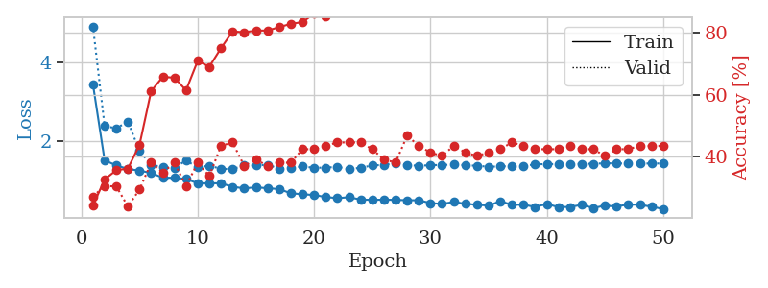
1.2657397338 | 1.9424818391 | 0.52717391304 | 0.28260869565 | 0.083765745163 | 52.717391304 | 28.260869565
1.168922274 | 1.6342814746 | 0.60869565217 | 0.30434782609 | 0.084392786026 | 60.869565217 | 30.434782609
1.0772730838 | 1.6712330528 | 0.63315217391 | 0.34782608696 | 0.084100484848 | 63.315217391 | 34.782608696
1.0422318707 | 1.5704598686 | 0.69836956522 | 0.33695652174 | 0.08402132988 | 69.836956522 | 33.695652174
0.95939965352 | 1.659576048 | 0.71739130435 | 0.34782608696 | 0.08388543129 | 71.739130435 | 34.782608696
0.87280814803 | 1.5581118801 | 0.73369565217 | 0.36956521739 | 0.083700180054 | 73.369565217 | 36.956521739
0.84904196988 | 1.6076290763 | 0.77445652174 | 0.3152173913 | 0.084380626678 | 77.445652174 | 31.52173913
0.80897087636 | 1.5725732316 | 0.79347826087 | 0.34782608696 | 0.084091663361 | 79.347826087 | 34.782608696
0.77553123365 | 1.5934785553 | 0.8125 | 0.36956521739 | 0.084233999252 | 81.25 | 36.956521739
0.78154445731 | 1.6532407844 | 0.76902173913 | 0.39130434783 | 0.083819627762 | 76.902173913 | 39.130434783
0.75604897478 | 1.6978893021 | 0.77445652174 | 0.41304347826 | 0.083918333054 | 77.445652174 | 41.304347826
0.71138197961 | 1.6121075827 | 0.85054347826 | 0.36956521739 | 0.083918809891 | 85.054347826 | 36.956521739
0.73876990831 | 1.7825529627 | 0.8125 | 0.39130434783 | 0.08363699913 | 81.25 | 39.130434783
0.70279689198 | 1.6675274009 | 0.8777173913 | 0.38043478261 | 0.083811759949 | 87.77173913 | 38.043478261
0.65455653616 | 1.7462898337 | 0.875 | 0.34782608696 | 0.083720684052 | 87.5 | 34.782608696
0.70206295926 | 1.6863112812 | 0.88315217391 | 0.38043478261 | 0.084101200104 | 88.315217391 | 38.043478261
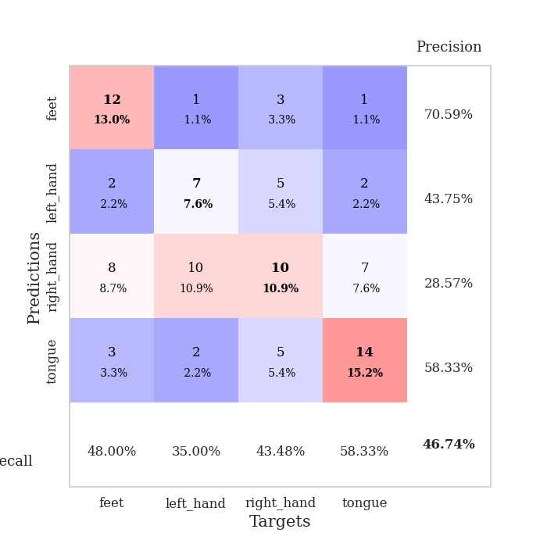
0.60123739942 | 1.65350928 | 0.89673913043 | 0.33695652174 | 0.08420419693 | 89.673913043 | 33.695652174
0.64024512016 | 1.7066029414 | 0.85597826087 | 0.34782608696 | 0.085705757141 | 85.597826087 | 34.782608696
0.58390940272 | 1.7580029291 | 0.90489130435 | 0.34782608696 | 0.086154937744 | 90.489130435 | 34.782608696
0.48965911373 | 1.7746784324 | 0.86413043478 | 0.36956521739 | 0.085090875626 | 86.413043478 | 36.956521739
0.60747707149 | 1.7176612771 | 0.89130434783 | 0.38043478261 | 0.084566354752 | 89.130434783 | 38.043478261
0.52754603909 | 1.6412124893 | 0.88043478261 | 0.4347826087 | 0.084352731705 | 88.043478261 | 43.47826087
0.55480659267 | 1.7018023729 | 0.94293478261 | 0.40217391304 | 0.0850045681 | 94.293478261 | 40.217391304
0.56839504644 | 1.6600446908 | 0.96467391304 | 0.36956521739 | 0.084376096725 | 96.467391304 | 36.956521739
0.48782183943 | 1.7963895072 | 0.90489130435 | 0.38043478261 | 0.084561824799 | 90.489130435 | 38.043478261
0.48064538836 | 1.7976933614 | 0.91847826087 | 0.35869565217 | 0.084352493286 | 91.847826087 | 35.869565217
0.45960038188 | 1.6364355139 | 0.94836956522 | 0.36956521739 | 0.084526538849 | 94.836956522 | 36.956521739
0.49331383601 | 1.6600773024 | 0.94293478261 | 0.34782608696 | 0.084223747253 | 94.293478261 | 34.782608696
0.41505633003 | 1.7569525812 | 0.97282608696 | 0.36956521739 | 0.084510087967 | 97.282608696 | 36.956521739
0.39264228357 | 1.6846606783 | 0.92391304348 | 0.38043478261 | 0.085077285767 | 92.391304348 | 38.043478261
0.43894200221 | 1.7602123955 | 0.9347826087 | 0.36956521739 | 0.084749698639 | 93.47826087 | 36.956521739
0.41041964681 | 1.77453124 | 0.88858695652 | 0.34782608696 | 0.084753513336 | 88.858695652 | 34.782608696
0.44648698167 | 1.7245988431 | 0.95923913043 | 0.36956521739 | 0.084775686264 | 95.923913043 | 36.956521739
0.44044431267 | 1.7843155913 | 0.97554347826 | 0.33695652174 | 0.084630250931 | 97.554347826 | 33.695652174
0.40071958498 | 1.7073931901 | 0.97282608696 | 0.34782608696 | 0.084947109222 | 97.282608696 | 34.782608696
0.37169413463 | 1.7065630166 | 0.95108695652 | 0.34782608696 | 0.084998369217 | 95.108695652 | 34.782608696
0.34440939355 | 1.7094323946 | 0.96467391304 | 0.34782608696 | 0.084841251373 | 96.467391304 | 34.782608696
0.38801821224 | 1.6883684915 | 0.98097826087 | 0.36956521739 | 0.084540367126 | 98.097826087 | 36.956521739
0.38513897878 | 1.6886574341 | 0.97554347826 | 0.36956521739 | 0.084583044052 | 97.554347826 | 36.956521739
0.36363137351 | 1.7244311571 | 0.98097826087 | 0.35869565217 | 0.084640026093 | 98.097826087 | 35.869565217
0.37926188435 | 1.7417939383 | 0.98913043478 | 0.39130434783 | 0.084661722183 | 98.913043478 | 39.130434783
0.37630548749 | 1.7274542062 | 0.98641304348 | 0.38043478261 | 0.093599557877 | 98.641304348 | 38.043478261
0.40357609482 | 1.7260522583 | 0.97826086957 | 0.38043478261 | 0.08523774147 | 97.826086957 | 38.043478261
0.35947364828 | 1.7224841377 | 0.98369565217 | 0.36956521739 | 0.085158109665 | 98.369565217 | 36.956521739
0.36901391395 | 1.7188760975 | 0.98369565217 | 0.36956521739 | 0.084670543671 | 98.369565217 | 36.956521739
0.36763379367 | 1.7187354513 | 0.98097826087 | 0.36956521739 | 0.084576129913 | 98.097826087 | 36.956521739
0.32457658843 | 1.7200349673 | 0.98097826087 | 0.36956521739 | 0.084522724152 | 98.097826087 | 36.956521739
0.37205250237 | 1.7210065386 | 0.98369565217 | 0.36956521739 | 0.084800958633 | 98.369565217 | 36.956521739

Best Val accuracy is 0.43478260869565216 and Best test accuracy is 0.31896551724137934

Sheet2
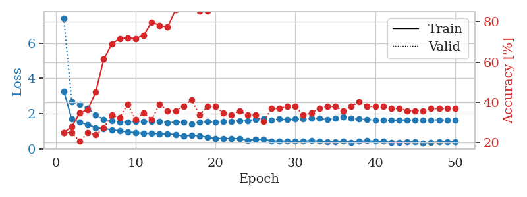
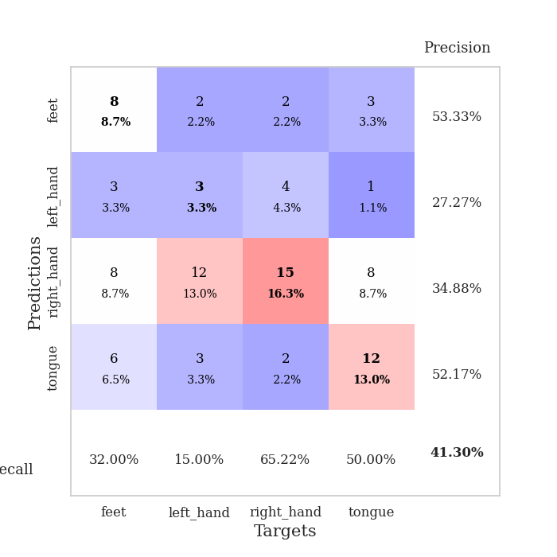
train_loss | valid_loss | train_accuracy | valid_accuracy | dur | train_misclass | valid_misclass
3.9847154565 | 4.2969487854 | 0.28804347826 | 0.26086956522 | 0.079869508743 | 28.804347826 | 26.086956522
1.5643692276 | 2.6304926976 | 0.35326086957 | 0.30434782609 | 0.0786921978 | 35.326086957 | 30.434782609
1.3432851641 | 1.8232019881 | 0.49184782609 | 0.29347826087 | 0.078283786774 | 49.184782609 | 29.347826087
1.2158009436 | 1.8577776888 | 0.48097826087 | 0.28260869565 | 0.078176736832 | 48.097826087 | 28.260869565
1.1958960061 | 1.5747643139 | 0.60326086957 | 0.30434782609 | 0.078347444534 | 60.326086957 | 30.434782609
1.0936286113 | 1.432539178 | 0.69293478261 | 0.35869565217 | 0.07829618454 | 69.293478261 | 35.869565217
0.96200950768 | 1.5258126259 | 0.69293478261 | 0.33695652174 | 0.078240394592 | 69.293478261 | 33.695652174
1.0034844409 | 1.5572309494 | 0.72010869565 | 0.39130434783 | 0.078237533569 | 72.010869565 | 39.130434783
1.0114995371 | 1.6523433354 | 0.73369565217 | 0.33695652174 | 0.078329324722 | 73.369565217 | 33.695652174
0.93199548514 | 1.5798587333 | 0.73641304348 | 0.32608695652 | 0.078382253647 | 73.641304348 | 32.608695652
0.90137494129 | 1.5873978656 | 0.7472826087 | 0.32608695652 | 0.078121423721 | 74.72826087 | 32.608695652
0.87903813564 | 1.6198024802 | 0.78532608696 | 0.34782608696 | 0.078339576721 | 78.532608696 | 34.782608696
0.75412678978 | 1.8134346838 | 0.76358695652 | 0.38043478261 | 0.078303098679 | 76.358695652 | 38.043478261
0.77863681964 | 1.8516080846 | 0.71739130435 | 0.3152173913 | 0.078294038773 | 71.739130435 | 31.52173913
0.76773039284 | 1.7097383427 | 0.80434782609 | 0.32608695652 | 0.078163385391 | 80.434782609 | 32.608695652
0.73750259954 | 1.9740838849 | 0.66847826087 | 0.32608695652 | 0.078270435333 | 66.847826087 | 32.608695652
0.70178098134 | 1.9975378202 | 0.71739130435 | 0.3152173913 | 0.078377962112 | 71.739130435 | 31.52173913
0.76175663653 | 1.6918475991 | 0.83967391304 | 0.33695652174 | 0.078372240067 | 83.967391304 | 33.695652174
0.69892980612 | 1.7298171002 | 0.86956521739 | 0.36956521739 | 0.078473091125 | 86.956521739 | 36.956521739
0.669538047 | 1.9170143501 | 0.69565217391 | 0.35869565217 | 0.078377246857 | 69.565217391 | 35.869565217
0.57959339411 | 1.6567944288 | 0.88586956522 | 0.36956521739 | 0.078328609467 | 88.586956522 | 36.956521739
0.58450003033 | 1.7287891844 | 0.86956521739 | 0.32608695652 | 0.078416824341 | 86.956521739 | 32.608695652
0.6127327551 | 1.6783697916 | 0.875 | 0.30434782609 | 0.078261375427 | 87.5 | 30.434782609
0.58999064953 | 1.7990508753 | 0.8777173913 | 0.30434782609 | 0.078329086304 | 87.77173913 | 30.434782609
0.611631891 | 1.7093050221 | 0.83695652174 | 0.34782608696 | 0.07838511467 | 83.695652174 | 34.782608696
0.45863399234 | 1.8529671845 | 0.83967391304 | 0.3152173913 | 0.078460931778 | 83.967391304 | 31.52173913
0.50679060298 | 1.9470679449 | 0.78804347826 | 0.3152173913 | 0.078338623047 | 78.804347826 | 31.52173913
0.48942336829 | 1.8690054572 | 0.85054347826 | 0.32608695652 | 0.078531980515 | 85.054347826 | 32.608695652
0.46410277486 | 1.8044723428 | 0.88043478261 | 0.29347826087 | 0.078685522079 | 88.043478261 | 29.347826087
0.46138051411 | 1.8633415388 | 0.86684782609 | 0.3152173913 | 0.078333377838 | 86.684782609 | 31.52173913
0.46666484359 | 1.7710929902 | 0.91032608696 | 0.3152173913 | 0.078404903412 | 91.032608696 | 31.52173913
0.40965867755 | 1.8387219336 | 0.89673913043 | 0.32608695652 | 0.078424453735 | 89.673913043 | 32.608695652
0.40501155931 | 1.832218419 | 0.9347826087 | 0.27173913043 | 0.078335523605 | 93.47826087 | 27.173913043
0.41334232623 | 1.8192649665 | 0.95923913043 | 0.29347826087 | 0.078290939331 | 95.923913043 | 29.347826087
0.47415511504 | 1.8473822293 | 0.9375 | 0.3152173913 | 0.078414678574 | 93.75 | 31.52173913
0.43930688954 | 1.8365309705 | 0.91847826087 | 0.30434782609 | 0.078216075897 | 91.847826087 | 30.434782609
0.41564510925 | 1.8668931515 | 0.94836956522 | 0.28260869565 | 0.081318378448 | 94.836956522 | 28.260869565
0.37758420505 | 1.9273698434 | 0.91032608696 | 0.33695652174 | 0.078324556351 | 91.032608696 | 33.695652174
0.42158936547 | 1.9222820064 | 0.9402173913 | 0.30434782609 | 0.081355810165 | 94.02173913 | 30.434782609
0.38927535324 | 1.9038730341 | 0.9347826087 | 0.3152173913 | 0.084044933319 | 93.47826087 | 31.52173913
0.38755038381 | 1.9095626862 | 0.90489130435 | 0.30434782609 | 0.080447912216 | 90.489130435 | 30.434782609
0.40000053009 | 1.9294711662 | 0.95923913043 | 0.3152173913 | 0.079498529434 | 95.923913043 | 31.52173913
0.40448385283 | 1.9247251801 | 0.96467391304 | 0.30434782609 | 0.079693317413 | 96.467391304 | 30.434782609
0.39463708517 | 1.9173173127 | 0.96195652174 | 0.30434782609 | 0.07962846756 | 96.195652174 | 30.434782609
0.34359328578 | 1.903098293 | 0.96467391304 | 0.29347826087 | 0.079539775848 | 96.467391304 | 29.347826087
0.41321597896 | 1.9206819793 | 0.96467391304 | 0.29347826087 | 0.079631090164 | 96.467391304 | 29.347826087
0.35382241788 | 1.9268784989 | 0.96467391304 | 0.29347826087 | 0.07928609848 | 96.467391304 | 29.347826087
0.39164411698 | 1.9243868745 | 0.96467391304 | 0.29347826087 | 0.079561233521 | 96.467391304 | 29.347826087
0.39205393713 | 1.9244659051 | 0.96467391304 | 0.29347826087 | 0.079488754272 | 96.467391304 | 29.347826087
0.34141576096 | 1.9239359368 | 0.96467391304 | 0.29347826087 | 0.079756259918 | 96.467391304 | 29.347826087

Best Val accuracy is 0.391304347826087 and Best test accuracy is 0.3017241379310345
train_loss | valid_loss | train_accuracy | valid_accuracy | dur | train_misclass | valid_misclass
3.279131511 | 7.420536062 | 0.25 | 0.25 | 0.085529327393 | 25 | 25
1.6838985526 | 2.681882765 | 0.27989130435 | 0.25 | 0.083117485046 | 27.989130435 | 25
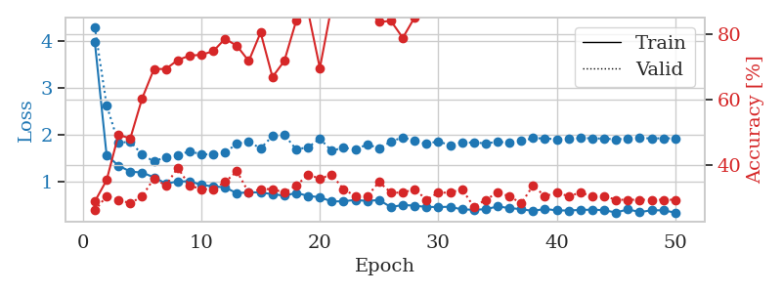
1.5055719407 | 2.5065486431 | 0.34782608696 | 0.20652173913 | 0.08291721344 | 34.782608696 | 20.652173913
1.370383882 | 2.2960185797 | 0.36413043478 | 0.25 | 0.083153247833 | 36.413043478 | 25
1.1954995912 | 1.9200412916 | 0.45108695652 | 0.23913043478 | 0.082964420319 | 45.108695652 | 23.913043478
1.1509677275 | 1.6626355493 | 0.61413043478 | 0.27173913043 | 0.08290553093 | 61.413043478 | 27.173913043
1.0814145933 | 1.5684875665 | 0.6902173913 | 0.33695652174 | 0.082915067673 | 69.02173913 | 33.695652174
1.0167774843 | 1.5084975025 | 0.71739130435 | 0.32608695652 | 0.083717107773 | 71.739130435 | 32.608695652
0.94690967902 | 1.5178582513 | 0.72010869565 | 0.39130434783 | 0.083787441254 | 72.010869565 | 39.130434783
0.92620295027 | 1.5660386811 | 0.71739130435 | 0.3152173913 | 0.083719015121 | 71.739130435 | 31.52173913
0.8745265629 | 1.5462346751 | 0.73369565217 | 0.34782608696 | 0.083699703217 | 73.369565217 | 34.782608696
0.88770596618 | 1.5561428951 | 0.79891304348 | 0.3152173913 | 0.083335638046 | 79.891304348 | 31.52173913
0.8459039175 | 1.5594288836 | 0.78260869565 | 0.39130434783 | 0.083700418472 | 78.260869565 | 39.130434783
0.84844572389 | 1.4902950784 | 0.77445652174 | 0.35869565217 | 0.083803415298 | 77.445652174 | 35.869565217
0.80256964072 | 1.4994145995 | 0.85869565217 | 0.35869565217 | 0.083932638168 | 85.869565217 | 35.869565217
0.72629957614 | 1.5150266056 | 0.86956521739 | 0.38043478261 | 0.083777427673 | 86.956521739 | 38.043478261
0.77891012249 | 1.4054246934 | 0.875 | 0.41304347826 | 0.084021091461 | 87.5 | 41.304347826
0.73865583409 | 1.5096583418 | 0.85326086957 | 0.33695652174 | 0.083121538162 | 85.326086957 | 33.695652174
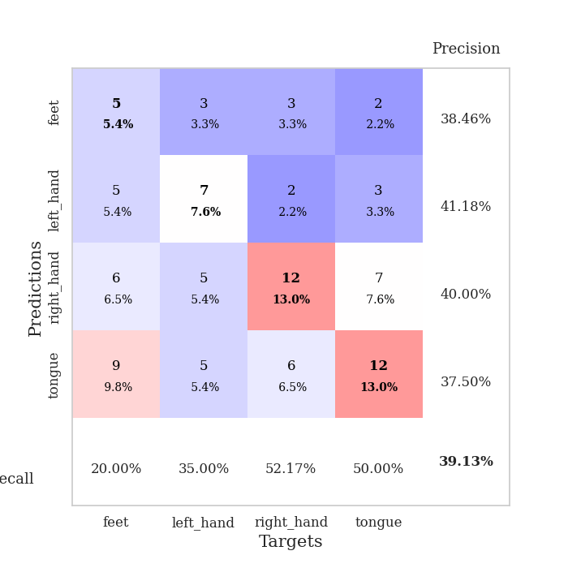
0.66029746507 | 1.5362630201 | 0.85326086957 | 0.38043478261 | 0.082855224609 | 85.326086957 | 38.043478261
0.57975419967 | 1.5149927191 | 0.88858695652 | 0.38043478261 | 0.083380460739 | 88.858695652 | 38.043478261
0.59664631019 | 1.5368863137 | 0.90217391304 | 0.34782608696 | 0.083929777145 | 90.217391304 | 34.782608696
0.56842142991 | 1.5426836895 | 0.92391304348 | 0.33695652174 | 0.083594322205 | 92.391304348 | 33.695652174
0.58987112149 | 1.6048229829 | 0.88858695652 | 0.35869565217 | 0.083825111389 | 88.858695652 | 35.869565217
0.48686407183 | 1.5949360651 | 0.92391304348 | 0.33695652174 | 0.085791110992 | 92.391304348 | 33.695652174
0.52909066366 | 1.6693730302 | 0.91576086957 | 0.33695652174 | 0.085409641266 | 91.576086957 | 33.695652174
0.54378792903 | 1.7163292688 | 0.93206521739 | 0.30434782609 | 0.085777759552 | 93.206521739 | 30.434782609
0.44980351173 | 1.6372367455 | 0.92663043478 | 0.36956521739 | 0.084703445435 | 92.663043478 | 36.956521739
0.44722374755 | 1.69325912 | 0.88315217391 | 0.36956521739 | 0.084774494171 | 88.315217391 | 36.956521739
0.44170680901 | 1.6455502095 | 0.89945652174 | 0.38043478261 | 0.084299325943 | 89.945652174 | 38.043478261
0.42508213805 | 1.6835947711 | 0.88586956522 | 0.38043478261 | 0.084092855453 | 88.586956522 | 38.043478261
0.44038438084 | 1.7050397552 | 0.91847826087 | 0.33695652174 | 0.084407567978 | 91.847826087 | 33.695652174
0.45925623373 | 1.736237811 | 0.92663043478 | 0.34782608696 | 0.0870449543 | 92.663043478 | 34.782608696
0.44073471233 | 1.7285685798 | 0.91032608696 | 0.36956521739 | 0.087520837784 | 91.032608696 | 36.956521739
0.40327080372 | 1.6551131114 | 0.94565217391 | 0.38043478261 | 0.084619760513 | 94.565217391 | 38.043478261
0.3884770786 | 1.7483905139 | 0.89673913043 | 0.38043478261 | 0.084732055664 | 89.673913043 | 38.043478261
0.42671576985 | 1.8216102745 | 0.86956521739 | 0.35869565217 | 0.084803342819 | 86.956521739 | 35.869565217
0.36706614883 | 1.7326241317 | 0.92119565217 | 0.38043478261 | 0.084765911102 | 92.119565217 | 38.043478261
0.43029453573 | 1.6890287762 | 0.95923913043 | 0.40217391304 | 0.085901260376 | 95.923913043 | 40.217391304
0.45419649326 | 1.6522521195 | 0.96739130435 | 0.38043478261 | 0.084763288498 | 96.739130435 | 38.043478261
0.43156595982 | 1.64208365 | 0.97010869565 | 0.38043478261 | 0.084420919418 | 97.010869565 | 38.043478261
0.41470123244 | 1.6188535276 | 0.97010869565 | 0.38043478261 | 0.084805965424 | 97.010869565 | 38.043478261
0.36451689089 | 1.621852372 | 0.97010869565 | 0.36956521739 | 0.088112354279 | 97.010869565 | 36.956521739
0.37439315475 | 1.6310969902 | 0.97826086957 | 0.36956521739 | 0.084394454956 | 97.826086957 | 36.956521739
0.38765271721 | 1.6379479118 | 0.97826086957 | 0.35869565217 | 0.084671020508 | 97.826086957 | 35.869565217
0.40755010753 | 1.6333095509 | 0.98097826087 | 0.35869565217 | 0.084711074829 | 98.097826087 | 35.869565217
0.32933257455 | 1.6366021581 | 0.98097826087 | 0.35869565217 | 0.08518743515 | 98.097826087 | 35.869565217
0.3527598705 | 1.6396875589 | 0.97826086957 | 0.36956521739 | 0.084694862366 | 97.826086957 | 36.956521739
0.39237762793 | 1.6372397257 | 0.98097826087 | 0.36956521739 | 0.084773302078 | 98.097826087 | 36.956521739
0.39181827624 | 1.6368489058 | 0.98097826087 | 0.36956521739 | 0.085119724274 | 98.097826087 | 36.956521739
0.40035762282 | 1.6362636348 | 0.98097826087 | 0.36956521739 | 0.084973812103 | 98.097826087 | 36.956521739

Best Val accuracy is 0.41304347826086957 and Best test accuracy is 0.35344827586206895

Sheet3
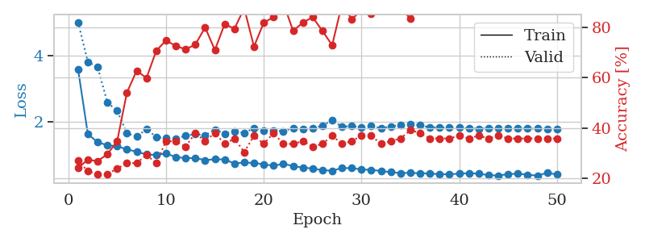
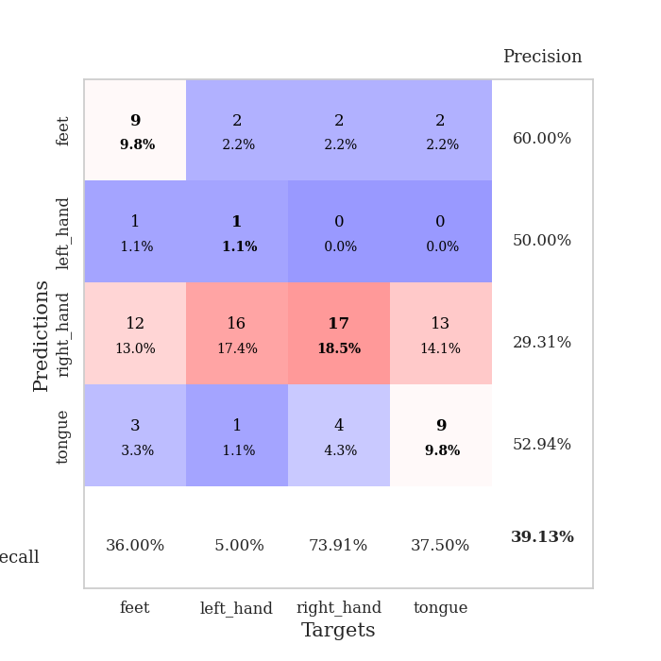
train_loss | valid_loss | train_accuracy | valid_accuracy | dur | train_misclass | valid_misclass
3.3545405139 | 3.4892879984 | 0.2527173913 | 0.21739130435 | 0.082319974899 | 25.27173913 | 21.739130435
1.6428485435 | 3.8619540049 | 0.25543478261 | 0.21739130435 | 0.080449581146 | 25.543478261 | 21.739130435
1.3438669288 | 2.1123833138 | 0.3777173913 | 0.3152173913 | 0.080276012421 | 37.77173913 | 31.52173913
1.2574373769 | 2.4985254018 | 0.35869565217 | 0.22826086957 | 0.080203056335 | 35.869565217 | 22.826086957
1.1667446209 | 1.9539159692 | 0.52989130435 | 0.25 | 0.080002069473 | 52.989130435 | 25
1.1198959506 | 1.5843883546 | 0.61956521739 | 0.33695652174 | 0.079956054688 | 61.956521739 | 33.695652174
1.0922696176 | 1.5589938527 | 0.66304347826 | 0.34782608696 | 0.080036640167 | 66.304347826 | 34.782608696
1.0281819986 | 1.5827363263 | 0.6875 | 0.33695652174 | 0.080073356628 | 68.75 | 33.695652174
0.94842160526 | 1.5933728788 | 0.70652173913 | 0.33695652174 | 0.080023288727 | 70.652173913 | 33.695652174
1.0007038725 | 1.7314365428 | 0.63315217391 | 0.3152173913 | 0.08033323288 | 63.315217391 | 31.52173913
0.89565846583 | 1.5837926294 | 0.73097826087 | 0.34782608696 | 0.08018040657 | 73.097826087 | 34.782608696
0.8915712341 | 1.5686838368 | 0.73913043478 | 0.34782608696 | 0.080499410629 | 73.913043478 | 34.782608696
0.87743208849 | 1.5988285645 | 0.75543478261 | 0.34782608696 | 0.080414772034 | 75.543478261 | 34.782608696
0.83413941964 | 1.7453703207 | 0.70923913043 | 0.33695652174 | 0.10706949234 | 70.923913043 | 33.695652174
0.8449191788 | 1.6264834197 | 0.8125 | 0.29347826087 | 0.090133190155 | 81.25 | 29.347826087
0.69793534538 | 1.6561337761 | 0.79076086957 | 0.32608695652 | 0.082750082016 | 79.076086957 | 32.608695652
0.75359767675 | 1.6551978744 | 0.8097826087 | 0.3152173913 | 0.081815958023 | 80.97826087 | 31.52173913
0.72479691454 | 1.7307578325 | 0.85326086957 | 0.34782608696 | 0.08172917366 | 85.326086957 | 34.782608696
0.67845359963 | 1.7312973012 | 0.80706521739 | 0.30434782609 | 0.081780910492 | 80.706521739 | 30.434782609
0.64705641373 | 1.5959483437 | 0.89130434783 | 0.34782608696 | 0.081763029099 | 89.130434783 | 34.782608696
0.63927162341 | 1.7354035948 | 0.86413043478 | 0.34782608696 | 0.08185338974 | 86.413043478 | 34.782608696
0.66167554259 | 1.7567076217 | 0.83695652174 | 0.34782608696 | 0.083802938461 | 83.695652174 | 34.782608696
0.53673151654 | 1.7583757069 | 0.86684782609 | 0.32608695652 | 0.081991672516 | 86.684782609 | 32.608695652
0.60537380628 | 1.7025893201 | 0.91576086957 | 0.35869565217 | 0.08190536499 | 91.576086957 | 35.869565217
0.58389470629 | 1.7883555526 | 0.8777173913 | 0.3152173913 | 0.082235813141 | 87.77173913 | 31.52173913
0.51943228167 | 1.9195860624 | 0.88315217391 | 0.30434782609 | 0.081983327866 | 88.315217391 | 30.434782609
0.46784350665 | 1.7539627811 | 0.91032608696 | 0.38043478261 | 0.081733942032 | 91.032608696 | 38.043478261
0.461065523 | 1.9056169728 | 0.91847826087 | 0.35869565217 | 0.081848144531 | 91.847826087 | 35.869565217
0.53827107795 | 1.8532576198 | 0.9402173913 | 0.39130434783 | 0.081950187683 | 94.02173913 | 39.130434783
0.48107492924 | 1.7398498991 | 0.9347826087 | 0.35869565217 | 0.081960916519 | 93.47826087 | 35.869565217
0.4385817647 | 1.9885970458 | 0.88858695652 | 0.33695652174 | 0.081582784653 | 88.858695652 | 33.695652174
0.51004325242 | 1.9167916049 | 0.9347826087 | 0.33695652174 | 0.081547737122 | 93.47826087 | 33.695652174
0.39860704606 | 1.9920396183 | 0.91576086957 | 0.34782608696 | 0.081661462784 | 91.576086957 | 34.782608696
0.45440361292 | 1.9847757868 | 0.91576086957 | 0.35869565217 | 0.08183836937 | 91.576086957 | 35.869565217
0.46445567064 | 1.9953233937 | 0.92663043478 | 0.33695652174 | 0.082144498825 | 92.663043478 | 33.695652174
0.40353681925 | 1.9561303025 | 0.95652173913 | 0.34782608696 | 0.081672430038 | 95.652173913 | 34.782608696
0.40720753825 | 1.9731629206 | 0.95380434783 | 0.33695652174 | 0.081624984741 | 95.380434783 | 33.695652174
0.4002524731 | 1.9562709228 | 0.95108695652 | 0.33695652174 | 0.081751823425 | 95.108695652 | 33.695652174
0.36709355919 | 1.9564372197 | 0.94836956522 | 0.34782608696 | 0.081907272339 | 94.836956522 | 34.782608696
0.42494408462 | 1.9885382497 | 0.92663043478 | 0.35869565217 | 0.081812620163 | 92.663043478 | 35.869565217
0.36449240926 | 1.9272340692 | 0.95108695652 | 0.36956521739 | 0.081510066986 | 95.108695652 | 36.956521739
0.36856244213 | 1.9436609797 | 0.95108695652 | 0.35869565217 | 0.081872701645 | 95.108695652 | 35.869565217
0.32510085663 | 1.9397317482 | 0.95108695652 | 0.35869565217 | 0.082190752029 | 95.108695652 | 35.869565217
0.39109657737 | 1.9362696513 | 0.94836956522 | 0.35869565217 | 0.081859350204 | 94.836956522 | 35.869565217
0.37718543734 | 1.9523988962 | 0.95108695652 | 0.35869565217 | 0.081733942032 | 95.108695652 | 35.869565217
0.35944648994 | 1.9573967198 | 0.95380434783 | 0.34782608696 | 0.084894180298 | 95.380434783 | 34.782608696
0.33127190399 | 1.9556349049 | 0.96467391304 | 0.34782608696 | 0.081738948822 | 96.467391304 | 34.782608696
0.33835283894 | 1.9542124323 | 0.96467391304 | 0.34782608696 | 0.084284543991 | 96.467391304 | 34.782608696
0.37138472627 | 1.9540913364 | 0.96467391304 | 0.34782608696 | 0.081896781921 | 96.467391304 | 34.782608696
0.41857528168 | 1.953690363 | 0.96467391304 | 0.33695652174 | 0.081924200058 | 96.467391304 | 33.695652174

Best Val accuracy is 0.391304347826087 and Best test accuracy is 0.3448275862068966
train_loss | valid_loss | train_accuracy | valid_accuracy | dur | train_misclass | valid_misclass
3.583199501 | 5.0119636162 | 0.24184782609 | 0.27173913043 | 0.087582349777 | 24.184782609 | 27.173913043
1.6198958158 | 3.8060524982 | 0.27445652174 | 0.22826086957 | 0.088655471802 | 27.445652174 | 22.826086957
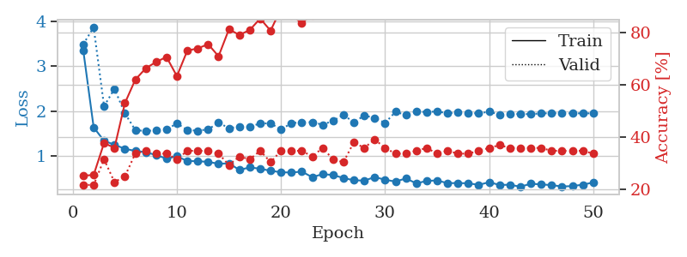
1.3686856342 | 3.6543161765 | 0.26902173913 | 0.21739130435 | 0.084324836731 | 26.902173913 | 21.739130435
1.2790353972 | 2.5733587535 | 0.29619565217 | 0.21739130435 | 0.084364891052 | 29.619565217 | 21.739130435
1.2483679678 | 2.3243874985 | 0.34782608696 | 0.23913043478 | 0.084149360657 | 34.782608696 | 23.913043478
1.1522165407 | 1.6450654061 | 0.54076086957 | 0.26086956522 | 0.084211587906 | 54.076086957 | 26.086956522
1.0834865155 | 1.5362929261 | 0.6277173913 | 0.26086956522 | 0.084672927856 | 62.77173913 | 26.086956522
0.99863160434 | 1.7696038744 | 0.59782608696 | 0.29347826087 | 0.084387540817 | 59.782608696 | 29.347826087
0.98456110125 | 1.5281753281 | 0.70652173913 | 0.26086956522 | 0.084162950516 | 70.652173913 | 26.086956522
1.0251944661 | 1.4908475254 | 0.7472826087 | 0.34782608696 | 0.084381818771 | 74.72826087 | 34.782608696
0.92152442621 | 1.474581537 | 0.72554347826 | 0.34782608696 | 0.087162494659 | 72.554347826 | 34.782608696
0.88578226255 | 1.5631771036 | 0.71195652174 | 0.32608695652 | 0.084497451782 | 71.195652174 | 32.608695652
0.88884205144 | 1.6205363481 | 0.73097826087 | 0.38043478261 | 0.084540128708 | 73.097826087 | 38.043478261
0.82542154063 | 1.5794023016 | 0.79891304348 | 0.34782608696 | 0.084402084351 | 79.891304348 | 34.782608696
0.85334603165 | 1.7545857792 | 0.70923913043 | 0.38043478261 | 0.084175109863 | 70.923913043 | 38.043478261
0.84621554872 | 1.6293676055 | 0.8125 | 0.33695652174 | 0.084403753281 | 81.25 | 33.695652174
0.72564318906 | 1.7023921013 | 0.79347826087 | 0.35869565217 | 0.084205627441 | 79.347826087 | 35.869565217
0.75427217328 | 1.6471948572 | 0.875 | 0.30434782609 | 0.084533691406 | 87.5 | 30.434782609
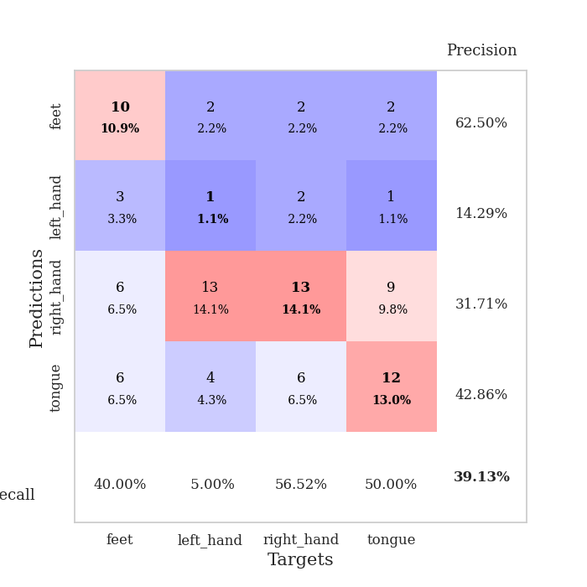
0.73923793824 | 1.8018375428 | 0.72282608696 | 0.36956521739 | 0.085968732834 | 72.282608696 | 36.956521739
0.70040660319 | 1.7220494177 | 0.81793478261 | 0.33695652174 | 0.084473848343 | 81.793478261 | 33.695652174
0.65537256262 | 1.7220738297 | 0.83967391304 | 0.38043478261 | 0.085080862045 | 83.967391304 | 38.043478261
0.71274455734 | 1.7042672479 | 0.89673913043 | 0.33695652174 | 0.084438562393 | 89.673913043 | 33.695652174
0.64939838453 | 1.7972260092 | 0.78532608696 | 0.33695652174 | 0.08670425415 | 78.532608696 | 33.695652174
0.59556936635 | 1.7571878641 | 0.81793478261 | 0.34782608696 | 0.084024190903 | 81.793478261 | 34.782608696
0.5745434936 | 1.7870453803 | 0.83967391304 | 0.32608695652 | 0.084051132202 | 83.967391304 | 32.608695652
0.51771252052 | 1.8712989144 | 0.78532608696 | 0.33695652174 | 0.084261417389 | 78.532608696 | 33.695652174
0.50760834373 | 2.0324544907 | 0.72826086957 | 0.36956521739 | 0.084130525589 | 72.826086957 | 36.956521739
0.5858294899 | 1.8389745847 | 0.89130434783 | 0.33695652174 | 0.084191560745 | 89.130434783 | 33.695652174
0.58243049357 | 1.8589199678 | 0.83152173913 | 0.34782608696 | 0.084156513214 | 83.152173913 | 34.782608696
0.54470378873 | 1.824554376 | 0.86684782609 | 0.36956521739 | 0.084394931793 | 86.684782609 | 36.956521739
0.53168499794 | 1.8614937585 | 0.85326086957 | 0.36956521739 | 0.083887577057 | 85.326086957 | 36.956521739
0.4963145567 | 1.7933210445 | 0.89673913043 | 0.33695652174 | 0.084075927734 | 89.673913043 | 33.695652174
0.46087036573 | 1.8490919808 | 0.89673913043 | 0.34782608696 | 0.084336042404 | 89.673913043 | 34.782608696
0.43288972974 | 1.8930498776 | 0.875 | 0.35869565217 | 0.084168195724 | 87.5 | 35.869565217
0.44261661237 | 1.9240412142 | 0.83423913043 | 0.39130434783 | 0.08430480957 | 83.423913043 | 39.130434783
0.42642681106 | 1.8824548514 | 0.89673913043 | 0.38043478261 | 0.084643602371 | 89.673913043 | 38.043478261
0.42331517261 | 1.8231487637 | 0.92934782609 | 0.35869565217 | 0.0844373703 | 92.934782609 | 35.869565217
0.39762022605 | 1.8166794984 | 0.92663043478 | 0.35869565217 | 0.084472894669 | 92.663043478 | 35.869565217
0.39751864646 | 1.8114209331 | 0.93206521739 | 0.35869565217 | 0.084049940109 | 93.206521739 | 35.869565217
0.41435598355 | 1.8089488745 | 0.93206521739 | 0.36956521739 | 0.084365606308 | 93.206521739 | 36.956521739
0.43336460577 | 1.7879318725 | 0.94293478261 | 0.35869565217 | 0.084123134613 | 94.293478261 | 35.869565217
0.41339192086 | 1.7797730125 | 0.93206521739 | 0.36956521739 | 0.084400177002 | 93.206521739 | 36.956521739
0.37191654094 | 1.7940209171 | 0.92391304348 | 0.35869565217 | 0.084318637848 | 92.391304348 | 35.869565217
0.35573710048 | 1.8030732818 | 0.92119565217 | 0.36956521739 | 0.084203481674 | 92.119565217 | 36.956521739
0.40343827916 | 1.7918444094 | 0.93206521739 | 0.35869565217 | 0.08447265625 | 93.206521739 | 35.869565217
0.41504769805 | 1.7892374163 | 0.9347826087 | 0.35869565217 | 0.08417391777 | 93.47826087 | 35.869565217
0.3842613778 | 1.7826940132 | 0.9402173913 | 0.35869565217 | 0.084546804428 | 94.02173913 | 35.869565217
0.35538460897 | 1.7810315878 | 0.94565217391 | 0.35869565217 | 0.084240436554 | 94.565217391 | 35.869565217
0.4432548142 | 1.7801437637 | 0.94836956522 | 0.35869565217 | 0.084538459778 | 94.836956522 | 35.869565217
0.39008529938 | 1.7805154375 | 0.94836956522 | 0.35869565217 | 0.084236860275 | 94.836956522 | 35.869565217

Best Val accuracy is 0.391304347826087 and Best test accuracy is 0.29310344827586204

Sheet4
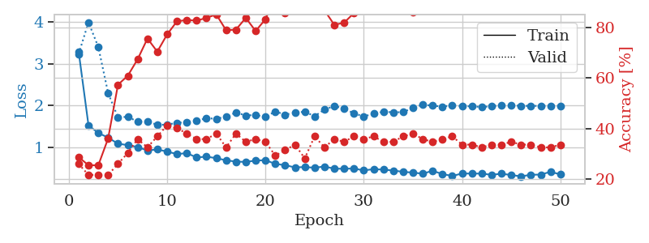
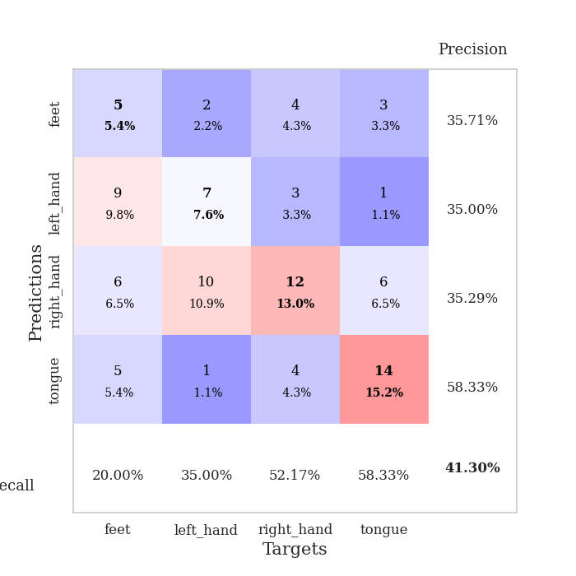
train_loss | valid_loss | train_accuracy | valid_accuracy | dur | train_misclass | valid_misclass
3.238002435 | 7.2599420133 | 0.24184782609 | 0.27173913043 | 0.083380460739 | 24.184782609 | 27.173913043
1.638235455 | 2.61938857 | 0.27717391304 | 0.21739130435 | 0.081534147263 | 27.717391304 | 21.739130435
1.3499054287 | 2.5625598016 | 0.26358695652 | 0.21739130435 | 0.081491708755 | 26.358695652 | 21.739130435
1.2143415861 | 1.7729321511 | 0.51086956522 | 0.25 | 0.081448554993 | 51.086956522 | 25
1.126725272 | 1.8004850149 | 0.55706521739 | 0.21739130435 | 0.081178188324 | 55.706521739 | 21.739130435
1.134739557 | 1.467382799 | 0.67391304348 | 0.36956521739 | 0.081388950348 | 67.391304348 | 36.956521739
1.0189135904 | 1.6596339215 | 0.64673913043 | 0.29347826087 | 0.081572532654 | 64.673913043 | 29.347826087
0.96546874616 | 1.5662196978 | 0.72010869565 | 0.33695652174 | 0.081212759018 | 72.010869565 | 33.695652174
0.90076786021 | 1.5717432343 | 0.72282608696 | 0.34782608696 | 0.081224441528 | 72.282608696 | 34.782608696
0.87454746599 | 1.5967981453 | 0.77717391304 | 0.35869565217 | 0.081304073334 | 77.717391304 | 35.869565217
0.83414338594 | 1.5589448006 | 0.82065217391 | 0.36956521739 | 0.081365346909 | 82.065217391 | 36.956521739
0.81991593086 | 1.5798406394 | 0.80163043478 | 0.3152173913 | 0.08167052269 | 80.163043478 | 31.52173913
0.76878892339 | 1.7013440754 | 0.79076086957 | 0.30434782609 | 0.081501722336 | 79.076086957 | 30.434782609
0.79107282214 | 1.6007823374 | 0.80163043478 | 0.35869565217 | 0.081982851028 | 80.163043478 | 35.869565217
0.76216355096 | 1.6454524216 | 0.875 | 0.34782608696 | 0.081624746323 | 87.5 | 34.782608696
0.67771102035 | 1.6230123976 | 0.84782608696 | 0.33695652174 | 0.081915616989 | 84.782608696 | 33.695652174
0.67245452041 | 1.7126582965 | 0.8152173913 | 0.3152173913 | 0.081884384155 | 81.52173913 | 31.52173913
0.63339547878 | 1.779854251 | 0.82336956522 | 0.33695652174 | 0.081959962845 | 82.336956522 | 33.695652174
0.63238044925 | 1.8944431336 | 0.77717391304 | 0.33695652174 | 0.081715345383 | 77.717391304 | 33.695652174
0.58395227855 | 1.8457966421 | 0.83423913043 | 0.33695652174 | 0.08161854744 | 83.423913043 | 33.695652174
0.60141039154 | 1.7620190537 | 0.875 | 0.33695652174 | 0.081728219986 | 87.5 | 33.695652174
0.47912067045 | 1.8556451331 | 0.90760869565 | 0.30434782609 | 0.0817091465 | 90.760869565 | 30.434782609
0.53740886631 | 1.9400904697 | 0.85597826087 | 0.3152173913 | 0.081507921219 | 85.597826087 | 31.52173913
0.51093664765 | 1.7732646517 | 0.88858695652 | 0.30434782609 | 0.081683397293 | 88.858695652 | 30.434782609
0.50093352924 | 1.7900349161 | 0.90489130435 | 0.32608695652 | 0.087962388992 | 90.489130435 | 32.608695652
0.48553520052 | 1.8130938178 | 0.92119565217 | 0.33695652174 | 0.083442211151 | 92.119565217 | 33.695652174
0.45159681984 | 1.7342389822 | 0.95380434783 | 0.3152173913 | 0.082466602325 | 95.380434783 | 31.52173913
0.42358186387 | 1.7910286706 | 0.9402173913 | 0.35869565217 | 0.08348441124 | 94.02173913 | 35.869565217
0.41258378845 | 1.8563296536 | 0.9347826087 | 0.34782608696 | 0.081925392151 | 93.47826087 | 34.782608696
0.35603566273 | 1.9751525755 | 0.90489130435 | 0.35869565217 | 0.081674575806 | 90.489130435 | 35.869565217
0.42679096046 | 2.0528813652 | 0.88315217391 | 0.32608695652 | 0.08204460144 | 88.315217391 | 32.608695652
0.45837741442 | 1.9822173741 | 0.96739130435 | 0.32608695652 | 0.081810235977 | 96.739130435 | 32.608695652
0.3788632757 | 2.0323336591 | 0.88315217391 | 0.33695652174 | 0.081914663315 | 88.315217391 | 33.695652174
0.40223580988 | 2.0555784961 | 0.92934782609 | 0.30434782609 | 0.081755638123 | 92.934782609 | 30.434782609
0.39561972152 | 1.9672524877 | 0.90760869565 | 0.29347826087 | 0.081738948822 | 90.760869565 | 29.347826087
0.38954905712 | 2.016957765 | 0.92663043478 | 0.28260869565 | 0.081442117691 | 92.663043478 | 28.260869565
0.32536691103 | 2.0677556421 | 0.9347826087 | 0.29347826087 | 0.081893205643 | 93.47826087 | 29.347826087
0.35771009715 | 2.0082700512 | 0.91576086957 | 0.28260869565 | 0.081806182861 | 91.576086957 | 28.260869565
0.31371949937 | 2.0010866497 | 0.92391304348 | 0.29347826087 | 0.08179473877 | 92.391304348 | 29.347826087
0.31841494726 | 2.0131723362 | 0.91576086957 | 0.29347826087 | 0.08162021637 | 91.576086957 | 29.347826087
0.39123300593 | 1.9517769192 | 0.94836956522 | 0.26086956522 | 0.081731796265 | 94.836956522 | 26.086956522
0.29721616678 | 1.9564004359 | 0.96739130435 | 0.25 | 0.082067012787 | 96.739130435 | 25
0.39689955083 | 1.967877445 | 0.96739130435 | 0.26086956522 | 0.081813335419 | 96.739130435 | 26.086956522
0.3300324267 | 1.9860219904 | 0.95380434783 | 0.27173913043 | 0.081634521484 | 95.380434783 | 27.173913043
0.36632132141 | 1.9805140495 | 0.95380434783 | 0.28260869565 | 0.081918478012 | 95.380434783 | 28.260869565
0.31075522271 | 1.9849635259 | 0.95380434783 | 0.27173913043 | 0.081691265106 | 95.380434783 | 27.173913043
0.30331822128 | 1.9788569212 | 0.96467391304 | 0.26086956522 | 0.081774950027 | 96.467391304 | 26.086956522
0.32405873744 | 1.9738223242 | 0.97282608696 | 0.26086956522 | 0.081683635712 | 97.282608696 | 26.086956522
0.30834592231 | 1.9696850155 | 0.97282608696 | 0.26086956522 | 0.081768035889 | 97.282608696 | 26.086956522
0.39162348016 | 1.9660058851 | 0.97554347826 | 0.26086956522 | 0.081883430481 | 97.554347826 | 26.086956522

Best Val accuracy is 0.3695652173913043 and Best test accuracy is 0.3620689655172414
train_loss | valid_loss | train_accuracy | valid_accuracy | dur | train_misclass | valid_misclass
3.2932032036 | 3.2348437828 | 0.28804347826 | 0.26086956522 | 0.086682319641 | 28.804347826 | 26.086956522
1.5311384408 | 3.9932727192 | 0.25543478261 | 0.21739130435 | 0.087509632111 | 25.543478261 | 21.739130435
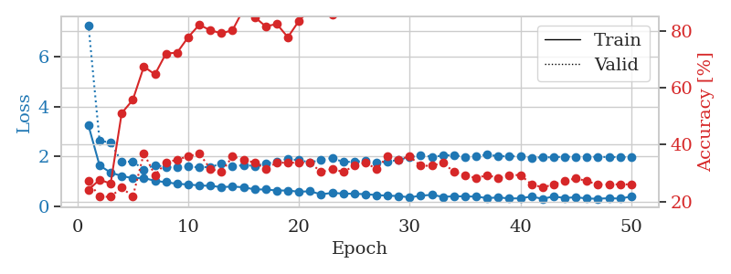
1.3459632656 | 3.4031928519 | 0.25543478261 | 0.21739130435 | 0.092210769653 | 25.543478261 | 21.739130435
1.2360707677 | 2.2991465693 | 0.36141304348 | 0.21739130435 | 0.094773769379 | 36.141304348 | 21.739130435
1.0887597514 | 1.722724417 | 0.57336956522 | 0.26086956522 | 0.085837125778 | 57.336956522 | 26.086956522
1.0574438572 | 1.7321172227 | 0.60869565217 | 0.30434782609 | 0.085642814636 | 60.869565217 | 30.434782609
1.0090663096 | 1.617553006 | 0.67391304348 | 0.35869565217 | 0.085736036301 | 67.391304348 | 35.869565217
0.92828237751 | 1.6277145769 | 0.75543478261 | 0.32608695652 | 0.087308645248 | 75.543478261 | 32.608695652
0.95323327054 | 1.5387612167 | 0.70380434783 | 0.36956521739 | 0.086044311523 | 70.380434783 | 36.956521739
0.9012653724 | 1.5479155572 | 0.77173913043 | 0.41304347826 | 0.085904359818 | 77.173913043 | 41.304347826
0.84188047181 | 1.5888433249 | 0.82336956522 | 0.40217391304 | 0.088529825211 | 82.336956522 | 40.217391304
0.86520091865 | 1.6033004522 | 0.82880434783 | 0.38043478261 | 0.086235523224 | 82.880434783 | 38.043478261
0.76021115935 | 1.6365089365 | 0.82608695652 | 0.35869565217 | 0.085980176926 | 82.608695652 | 35.869565217
0.78111124816 | 1.7013428885 | 0.83695652174 | 0.35869565217 | 0.08620595932 | 83.695652174 | 35.869565217
0.74371766526 | 1.6844349115 | 0.85054347826 | 0.38043478261 | 0.086077451706 | 85.054347826 | 38.043478261
0.69364665643 | 1.7384605667 | 0.78804347826 | 0.32608695652 | 0.08739233017 | 78.804347826 | 32.608695652
0.66189446786 | 1.8342900691 | 0.79076086957 | 0.38043478261 | 0.086251020432 | 79.076086957 | 38.043478261
0.65518973962 | 1.7656785302 | 0.83695652174 | 0.34782608696 | 0.085656166077 | 83.695652174 | 34.782608696
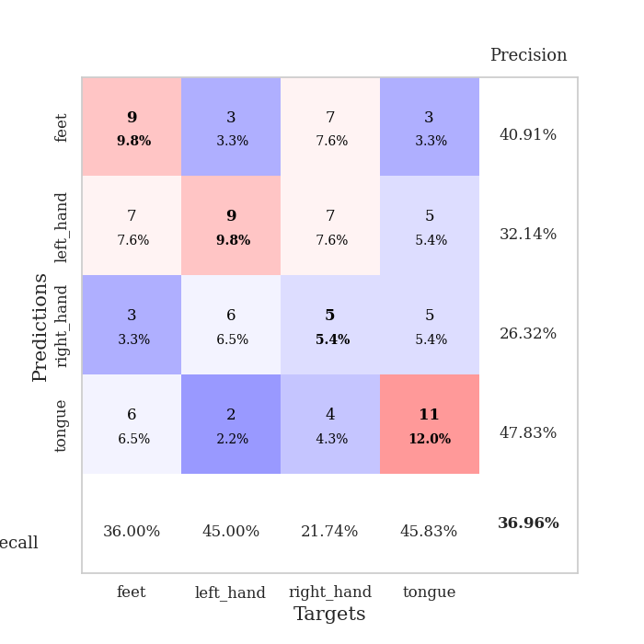
0.68539314685 | 1.7767020516 | 0.78532608696 | 0.35869565217 | 0.085532903671 | 78.532608696 | 35.869565217
0.69742521903 | 1.7299127786 | 0.83152173913 | 0.34782608696 | 0.085940599442 | 83.152173913 | 34.782608696
0.60694932938 | 1.861884086 | 0.92119565217 | 0.29347826087 | 0.085548877716 | 92.119565217 | 29.347826087
0.57762911527 | 1.7849695527 | 0.85597826087 | 0.3152173913 | 0.085556983948 | 85.597826087 | 31.52173913
0.52310549954 | 1.8333135325 | 0.91847826087 | 0.33695652174 | 0.085618257523 | 91.847826087 | 33.695652174
0.53232226164 | 1.8547911903 | 0.88858695652 | 0.28260869565 | 0.08586359024 | 88.858695652 | 28.260869565
0.51546830846 | 1.7463817959 | 0.88043478261 | 0.36956521739 | 0.085575819016 | 88.043478261 | 36.956521739
0.54516716949 | 1.9076909034 | 0.86684782609 | 0.32608695652 | 0.085753917694 | 86.684782609 | 32.608695652
0.49311678306 | 1.9889349989 | 0.8097826087 | 0.35869565217 | 0.085587739944 | 80.97826087 | 35.869565217
0.49200601811 | 1.9368359887 | 0.81793478261 | 0.34782608696 | 0.085562467575 | 81.793478261 | 34.782608696
0.49666144537 | 1.8124468378 | 0.85597826087 | 0.36956521739 | 0.085896492004 | 85.597826087 | 36.956521739
0.45190830594 | 1.7435235511 | 0.92391304348 | 0.35869565217 | 0.085761547089 | 92.391304348 | 35.869565217
0.48167990861 | 1.8048788205 | 0.92663043478 | 0.36956521739 | 0.085902929306 | 92.663043478 | 36.956521739
0.47070837086 | 1.8555908359 | 0.91304347826 | 0.34782608696 | 0.092668056488 | 91.304347826 | 34.782608696
0.44905254245 | 1.8410359673 | 0.90217391304 | 0.34782608696 | 0.086106061935 | 90.217391304 | 34.782608696
0.41716420683 | 1.8443001405 | 0.91032608696 | 0.36956521739 | 0.085573911667 | 91.032608696 | 36.956521739
0.39949730946 | 1.946357017 | 0.85869565217 | 0.38043478261 | 0.085458278656 | 85.869565217 | 38.043478261
0.37337721301 | 2.0262545295 | 0.86956521739 | 0.35869565217 | 0.087939023972 | 86.956521739 | 35.869565217
0.4427889119 | 1.9990400853 | 0.9402173913 | 0.34782608696 | 0.087476730347 | 94.02173913 | 34.782608696
0.36321664828 | 1.977309595 | 0.88586956522 | 0.35869565217 | 0.085945129395 | 88.586956522 | 35.869565217
0.31966557354 | 2.0090903666 | 0.91304347826 | 0.36956521739 | 0.085808992386 | 91.304347826 | 36.956521739
0.37676378048 | 1.9895132728 | 0.91032608696 | 0.33695652174 | 0.086192846298 | 91.032608696 | 33.695652174
0.37647612587 | 1.9835690208 | 0.9402173913 | 0.33695652174 | 0.088644981384 | 94.02173913 | 33.695652174
0.37506174652 | 1.9667632113 | 0.9402173913 | 0.32608695652 | 0.085586309433 | 94.02173913 | 32.608695652
0.34634964362 | 1.9862167576 | 0.93206521739 | 0.33695652174 | 0.085642814636 | 93.206521739 | 33.695652174
0.3719192442 | 2.0087523512 | 0.92663043478 | 0.33695652174 | 0.085228204727 | 92.663043478 | 33.695652174
0.34104657108 | 2.0048562185 | 0.92934782609 | 0.34782608696 | 0.085952758789 | 92.934782609 | 34.782608696
0.30886556726 | 1.9966280098 | 0.92934782609 | 0.33695652174 | 0.085674285889 | 92.934782609 | 33.695652174
0.34796614038 | 1.9935627761 | 0.93206521739 | 0.33695652174 | 0.085886716843 | 93.206521739 | 33.695652174
0.35091896128 | 1.9954368135 | 0.93206521739 | 0.32608695652 | 0.089227676392 | 93.206521739 | 32.608695652
0.41965335316 | 1.993717546 | 0.93206521739 | 0.32608695652 | 0.087316274643 | 93.206521739 | 32.608695652
0.354230182 | 1.9922736158 | 0.9375 | 0.33695652174 | 0.085952281952 | 93.75 | 33.695652174

Best Val accuracy is 0.41304347826086957 and Best test accuracy is 0.35344827586206895

Sheet5
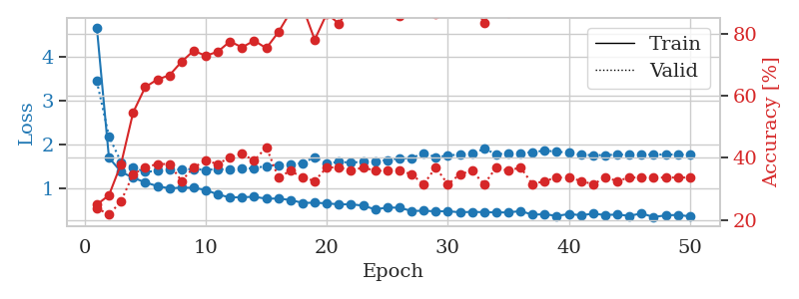
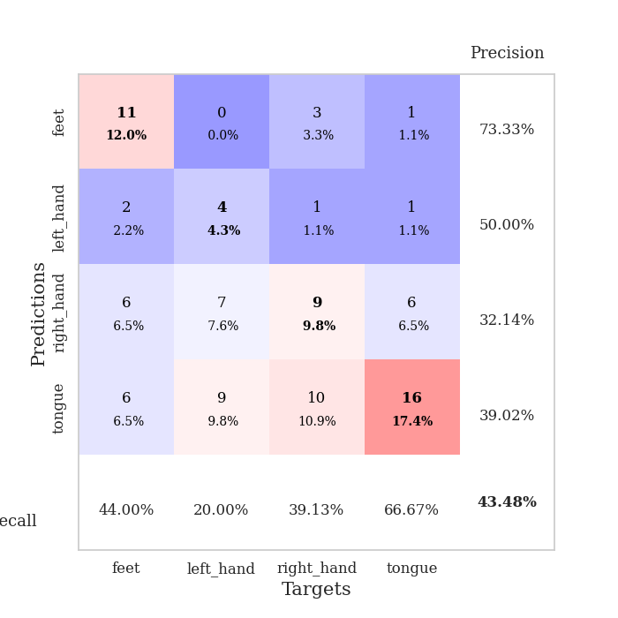
train_loss | valid_loss | train_accuracy | valid_accuracy | dur | train_misclass | valid_misclass
2.8779607389 | 3.6309106868 | 0.26902173913 | 0.21739130435 | 0.085091590881 | 26.902173913 | 21.739130435
1.6382721507 | 5.1360669136 | 0.26086956522 | 0.21739130435 | 0.081561088562 | 26.086956522 | 21.739130435
1.4509586485 | 4.4253184277 | 0.26086956522 | 0.21739130435 | 0.081945896149 | 26.086956522 | 21.739130435
1.3435865848 | 2.8543150218 | 0.30163043478 | 0.21739130435 | 0.081565141678 | 30.163043478 | 21.739130435
1.2451042066 | 1.8078741302 | 0.47010869565 | 0.3152173913 | 0.081877946854 | 47.010869565 | 31.52173913
1.2404102502 | 1.7621191792 | 0.53260869565 | 0.27173913043 | 0.087010860443 | 53.260869565 | 27.173913043
1.1383780137 | 1.4667479111 | 0.65760869565 | 0.3152173913 | 0.082396030426 | 65.760869565 | 31.52173913
1.0606727704 | 1.5339557243 | 0.6902173913 | 0.30434782609 | 0.082037687302 | 69.02173913 | 30.434782609
1.0450865134 | 1.4733793373 | 0.73641304348 | 0.3152173913 | 0.082352638245 | 73.641304348 | 31.52173913
0.89280016526 | 1.531195625 | 0.73369565217 | 0.28260869565 | 0.082144021988 | 73.369565217 | 28.260869565
0.88111415894 | 1.4857100041 | 0.71739130435 | 0.30434782609 | 0.082059860229 | 71.739130435 | 30.434782609
0.93226877114 | 1.4526244506 | 0.80434782609 | 0.35869565217 | 0.082372426987 | 80.434782609 | 35.869565217
0.78365527288 | 1.5498308565 | 0.77989130435 | 0.35869565217 | 0.082446336746 | 77.989130435 | 35.869565217
0.7381513028 | 1.6709065023 | 0.73097826087 | 0.29347826087 | 0.082391500473 | 73.097826087 | 29.347826087
0.71890800284 | 1.7128431745 | 0.76630434783 | 0.28260869565 | 0.082068681717 | 76.630434783 | 28.260869565
0.74761507045 | 1.6149204658 | 0.75 | 0.29347826087 | 0.082177639008 | 75 | 29.347826087
0.68130775768 | 1.6090886852 | 0.82065217391 | 0.33695652174 | 0.082031726837 | 82.065217391 | 33.695652174
0.68854980106 | 1.642448161 | 0.88315217391 | 0.38043478261 | 0.082009792328 | 88.315217391 | 38.043478261
0.66565747106 | 1.8333286876 | 0.76358695652 | 0.32608695652 | 0.08212518692 | 76.358695652 | 32.608695652
0.61876371373 | 1.6528352706 | 0.83423913043 | 0.3152173913 | 0.082111597061 | 83.423913043 | 31.52173913
0.61636903752 | 1.7795628724 | 0.85597826087 | 0.34782608696 | 0.082421302795 | 85.597826087 | 34.782608696
0.61568650215 | 1.6992784117 | 0.88586956522 | 0.30434782609 | 0.082152366638 | 88.586956522 | 30.434782609
0.60959241572 | 1.6675064667 | 0.86141304348 | 0.30434782609 | 0.082010030746 | 86.141304348 | 30.434782609
0.54009313687 | 1.8852983091 | 0.7472826087 | 0.30434782609 | 0.082525968552 | 74.72826087 | 30.434782609
0.57138629841 | 1.7613026629 | 0.83967391304 | 0.34782608696 | 0.084675312042 | 83.967391304 | 34.782608696
0.52111317153 | 1.8596410492 | 0.8097826087 | 0.3152173913 | 0.08264875412 | 80.97826087 | 31.52173913
0.51866747568 | 1.7378801418 | 0.85054347826 | 0.29347826087 | 0.081952810287 | 85.054347826 | 29.347826087
0.50572022472 | 1.7940106651 | 0.85054347826 | 0.3152173913 | 0.084597826004 | 85.054347826 | 31.52173913
0.43947262932 | 1.8762558906 | 0.8097826087 | 0.30434782609 | 0.083865880966 | 80.97826087 | 30.434782609
0.44609099691 | 1.8428789222 | 0.86141304348 | 0.33695652174 | 0.082543134689 | 86.141304348 | 33.695652174
0.48595129277 | 1.7690308198 | 0.90489130435 | 0.3152173913 | 0.082362174988 | 90.489130435 | 31.52173913
0.50846754338 | 2.0825774825 | 0.77989130435 | 0.3152173913 | 0.082265377045 | 77.989130435 | 31.52173913
0.45457878061 | 1.8800254024 | 0.8722826087 | 0.33695652174 | 0.082292795181 | 87.22826087 | 33.695652174
0.42273687345 | 1.7766486821 | 0.88043478261 | 0.32608695652 | 0.082344293594 | 88.043478261 | 32.608695652
0.43652130145 | 1.9290629522 | 0.83695652174 | 0.3152173913 | 0.082303524017 | 83.695652174 | 31.52173913
0.35582842775 | 1.8558608812 | 0.875 | 0.3152173913 | 0.082179307938 | 87.5 | 31.52173913
0.40666895133 | 1.841210868 | 0.89130434783 | 0.32608695652 | 0.082595586777 | 89.130434783 | 32.608695652
0.38766239227 | 1.9207685512 | 0.85326086957 | 0.33695652174 | 0.082324504852 | 85.326086957 | 33.695652174
0.37097426148 | 2.0634819736 | 0.80706521739 | 0.32608695652 | 0.082774877548 | 80.706521739 | 32.608695652
0.37850838964 | 1.9383425661 | 0.8777173913 | 0.29347826087 | 0.082342386246 | 87.77173913 | 29.347826087
0.39634499537 | 1.8658965982 | 0.89673913043 | 0.33695652174 | 0.082470417023 | 89.673913043 | 33.695652174
0.37955106989 | 1.860713881 | 0.89130434783 | 0.33695652174 | 0.082181453705 | 89.130434783 | 33.695652174
0.42705489242 | 1.8782044234 | 0.88858695652 | 0.33695652174 | 0.082106590271 | 88.858695652 | 33.695652174
0.37143183791 | 1.9206550899 | 0.88315217391 | 0.33695652174 | 0.08216047287 | 88.315217391 | 33.695652174
0.32969098959 | 1.9255432098 | 0.8777173913 | 0.3152173913 | 0.081864595413 | 87.77173913 | 31.52173913
0.39833491781 | 1.9111018958 | 0.88043478261 | 0.33695652174 | 0.081921100616 | 88.043478261 | 33.695652174
0.35846562295 | 1.8983058256 | 0.88315217391 | 0.32608695652 | 0.082293987274 | 88.315217391 | 32.608695652
0.35984808984 | 1.8889729096 | 0.88586956522 | 0.3152173913 | 0.082713365555 | 88.586956522 | 31.52173913
0.28309639057 | 1.8830247185 | 0.89130434783 | 0.33695652174 | 0.082175016403 | 89.130434783 | 33.695652174
0.39558209868 | 1.8764540372 | 0.89945652174 | 0.33695652174 | 0.082204341888 | 89.945652174 | 33.695652174

Best Val accuracy is 0.3804347826086957 and Best test accuracy is 0.3620689655172414
train_loss | valid_loss | train_accuracy | valid_accuracy | dur | train_misclass | valid_misclass
4.6794570529 | 3.4488665125 | 0.25 | 0.23913043478 | 0.088597536087 | 25 | 23.913043478
1.6970593463 | 2.1875420964 | 0.27989130435 | 0.21739130435 | 0.086537837982 | 27.989130435 | 21.739130435
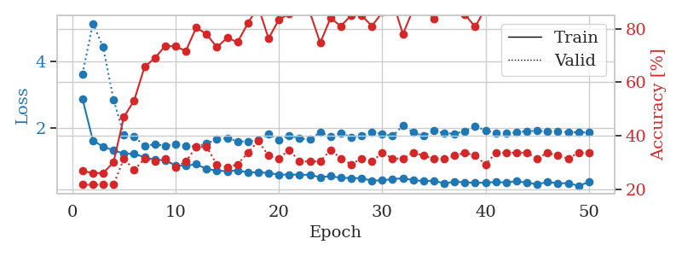
1.372234303 | 1.5945190969 | 0.38043478261 | 0.26086956522 | 0.085981845856 | 38.043478261 | 26.086956522
1.2361722848 | 1.4697625896 | 0.54619565217 | 0.34782608696 | 0.085471868515 | 54.619565217 | 34.782608696
1.131060761 | 1.3710536387 | 0.6277173913 | 0.36956521739 | 0.085479259491 | 62.77173913 | 36.956521739
1.0447081327 | 1.3931557199 | 0.65217391304 | 0.38043478261 | 0.085360765457 | 65.217391304 | 38.043478261
0.99401268752 | 1.4223522259 | 0.66576086957 | 0.38043478261 | 0.08534693718 | 66.576086957 | 38.043478261
1.0109241242 | 1.4244685121 | 0.70923913043 | 0.32608695652 | 0.084907531738 | 70.923913043 | 32.608695652
1.006056218 | 1.4365721164 | 0.74456521739 | 0.36956521739 | 0.085166692734 | 74.456521739 | 36.956521739
0.95726012406 | 1.4154870095 | 0.72826086957 | 0.39130434783 | 0.084728717804 | 72.826086957 | 39.130434783
0.85289966542 | 1.4362603063 | 0.74184782609 | 0.38043478261 | 0.085166215897 | 74.184782609 | 38.043478261
0.78621660367 | 1.4215499992 | 0.77445652174 | 0.40217391304 | 0.084097862244 | 77.445652174 | 40.217391304
0.79130859997 | 1.4442430424 | 0.75543478261 | 0.41304347826 | 0.084908008575 | 75.543478261 | 41.304347826
0.79993639951 | 1.4557086333 | 0.77717391304 | 0.39130434783 | 0.085083723068 | 77.717391304 | 39.130434783
0.75757853881 | 1.5053022893 | 0.7527173913 | 0.4347826087 | 0.084909677505 | 75.27173913 | 43.47826087
0.7606435444 | 1.5288935796 | 0.80434782609 | 0.33695652174 | 0.086495637894 | 80.434782609 | 33.695652174
0.72703472687 | 1.5364712477 | 0.86956521739 | 0.35869565217 | 0.085255384445 | 86.956521739 | 35.869565217
0.66060417891 | 1.5739190475 | 0.88586956522 | 0.33695652174 | 0.085439920425 | 88.586956522 | 33.695652174
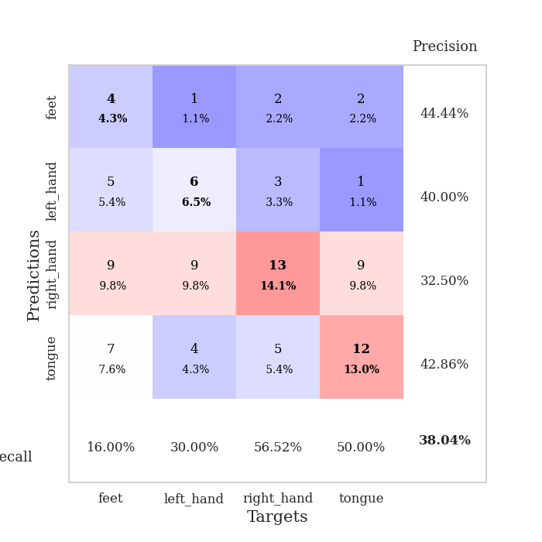
0.66431922109 | 1.7081136133 | 0.77989130435 | 0.32608695652 | 0.088625431061 | 77.989130435 | 32.608695652
0.65067700329 | 1.5549355383 | 0.86413043478 | 0.36956521739 | 0.085655927658 | 86.413043478 | 36.956521739
0.62689472929 | 1.6049261922 | 0.83152173913 | 0.36956521739 | 0.086013317108 | 83.152173913 | 36.956521739
0.62937739362 | 1.5795821573 | 0.89402173913 | 0.35869565217 | 0.085307836533 | 89.402173913 | 35.869565217
0.59796438269 | 1.6083788302 | 0.88586956522 | 0.36956521739 | 0.08555316925 | 88.586956522 | 36.956521739
0.5115521291 | 1.6098260309 | 0.89673913043 | 0.35869565217 | 0.085725069046 | 89.673913043 | 35.869565217
0.55528703073 | 1.6433579818 | 0.88858695652 | 0.35869565217 | 0.086349964142 | 88.858695652 | 35.869565217
0.55023206641 | 1.6788287526 | 0.85597826087 | 0.35869565217 | 0.085610389709 | 85.597826087 | 35.869565217
0.47635751056 | 1.6849576857 | 0.88315217391 | 0.34782608696 | 0.085909843445 | 88.315217391 | 34.782608696
0.48017027326 | 1.8031462431 | 0.8777173913 | 0.3152173913 | 0.085658550262 | 87.77173913 | 31.52173913
0.46786792252 | 1.7106936133 | 0.86141304348 | 0.36956521739 | 0.085917472839 | 86.141304348 | 36.956521739
0.47047414469 | 1.7432512771 | 0.88858695652 | 0.3152173913 | 0.085126638412 | 88.858695652 | 31.52173913
0.44463891115 | 1.7733959011 | 0.89945652174 | 0.34782608696 | 0.10138940811 | 89.945652174 | 34.782608696
0.4559054135 | 1.7879192777 | 0.89945652174 | 0.35869565217 | 0.085964918137 | 89.945652174 | 35.869565217
0.44725568398 | 1.8986939451 | 0.83423913043 | 0.3152173913 | 0.087309122086 | 83.423913043 | 31.52173913
0.44415774034 | 1.7793565418 | 0.91847826087 | 0.36956521739 | 0.086028337479 | 91.847826087 | 36.956521739
0.44174759997 | 1.7884814376 | 0.86684782609 | 0.35869565217 | 0.085806369781 | 86.684782609 | 35.869565217
0.4740309184 | 1.8019402286 | 0.89945652174 | 0.36956521739 | 0.085849761963 | 89.945652174 | 36.956521739
0.3898472151 | 1.8211100516 | 0.90489130435 | 0.3152173913 | 0.086265325546 | 90.489130435 | 31.52173913
0.40259435449 | 1.8604218131 | 0.89130434783 | 0.32608695652 | 0.086043834686 | 89.130434783 | 32.608695652
0.361875858 | 1.8328964969 | 0.91304347826 | 0.33695652174 | 0.086086273193 | 91.304347826 | 33.695652174
0.40620831238 | 1.8137684853 | 0.9375 | 0.33695652174 | 0.086590766907 | 93.75 | 33.695652174
0.37841740898 | 1.7606370708 | 0.97282608696 | 0.32608695652 | 0.086217403412 | 97.282608696 | 32.608695652
0.41280542638 | 1.7561326856 | 0.97282608696 | 0.3152173913 | 0.085855484009 | 97.282608696 | 31.52173913
0.38350120835 | 1.7531822764 | 0.96467391304 | 0.33695652174 | 0.085677146912 | 96.467391304 | 33.695652174
0.39398757725 | 1.7690608346 | 0.96195652174 | 0.32608695652 | 0.085800409317 | 96.195652174 | 32.608695652
0.36440040495 | 1.7685303844 | 0.95923913043 | 0.33695652174 | 0.085890054703 | 95.923913043 | 33.695652174
0.41897482911 | 1.7681394712 | 0.96195652174 | 0.33695652174 | 0.086007356644 | 96.195652174 | 33.695652174
0.33718872427 | 1.7681393986 | 0.96195652174 | 0.33695652174 | 0.085496425629 | 96.195652174 | 33.695652174
0.3749362334 | 1.7685982144 | 0.96467391304 | 0.33695652174 | 0.086310863495 | 96.467391304 | 33.695652174
0.38577506367 | 1.7676851801 | 0.96467391304 | 0.33695652174 | 0.085792303085 | 96.467391304 | 33.695652174
0.35150491705 | 1.7670141666 | 0.96467391304 | 0.33695652174 | 0.085349559784 | 96.467391304 | 33.695652174

Best Val accuracy is 0.43478260869565216 and Best test accuracy is 0.3275862068965517

Sheet6
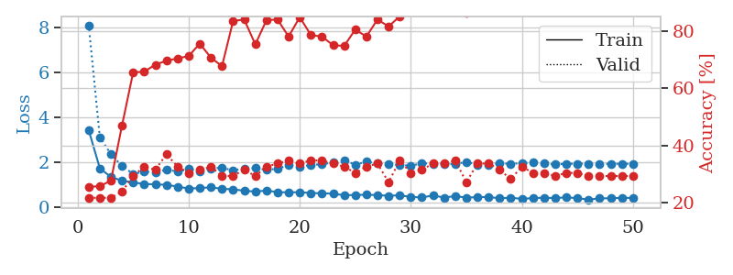
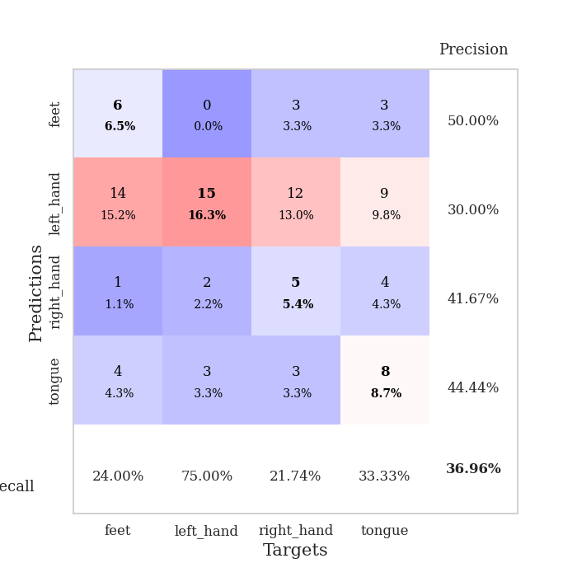
train_loss | valid_loss | train_accuracy | valid_accuracy | dur | train_misclass | valid_misclass
3.8256187283 | 8.6113386569 | 0.26358695652 | 0.21739130435 | 0.083518981934 | 26.358695652 | 21.739130435
1.8344827165 | 5.5106265649 | 0.26358695652 | 0.21739130435 | 0.082107543945 | 26.358695652 | 21.739130435
1.4203824012 | 3.6256518571 | 0.26358695652 | 0.21739130435 | 0.082194805145 | 26.358695652 | 21.739130435
1.4206865508 | 1.7953356556 | 0.3722826087 | 0.25 | 0.081843614578 | 37.22826087 | 25
1.3258237891 | 1.5560006059 | 0.48913043478 | 0.29347826087 | 0.082483530045 | 48.913043478 | 29.347826087
1.1741072743 | 1.5404578344 | 0.51086956522 | 0.30434782609 | 0.082020282745 | 51.086956522 | 30.434782609
1.1614252614 | 1.3668510655 | 0.66576086957 | 0.36956521739 | 0.08221244812 | 66.576086957 | 36.956521739
1.073067647 | 1.4085473237 | 0.66576086957 | 0.36956521739 | 0.081998586655 | 66.576086957 | 36.956521739
1.0409714502 | 1.3550985274 | 0.69565217391 | 0.3152173913 | 0.083465337753 | 69.565217391 | 31.52173913
0.93830362092 | 1.3189083649 | 0.66032608696 | 0.34782608696 | 0.082766294479 | 66.032608696 | 34.782608696
0.91394501147 | 1.3578708276 | 0.79347826087 | 0.35869565217 | 0.082319974899 | 79.347826087 | 35.869565217
0.87397758598 | 1.3117243103 | 0.80163043478 | 0.36956521739 | 0.082116365433 | 80.163043478 | 36.956521739
0.84600172872 | 1.4105697093 | 0.75815217391 | 0.30434782609 | 0.082115650177 | 75.815217391 | 30.434782609
0.84199757161 | 1.5135665095 | 0.76902173913 | 0.36956521739 | 0.081844329834 | 76.902173913 | 36.956521739
0.74460113696 | 1.3918418936 | 0.83695652174 | 0.35869565217 | 0.082050561905 | 83.695652174 | 35.869565217
0.72660165507 | 1.44678531 | 0.77717391304 | 0.35869565217 | 0.082188367844 | 77.717391304 | 35.869565217
0.75222949489 | 1.3531190053 | 0.83967391304 | 0.39130434783 | 0.082088708878 | 83.967391304 | 39.130434783
0.69115161637 | 1.4587830253 | 0.8152173913 | 0.35869565217 | 0.082244157791 | 81.52173913 | 35.869565217
0.69517716765 | 1.4270936717 | 0.82336956522 | 0.3152173913 | 0.082289218903 | 82.336956522 | 31.52173913
0.70313729411 | 1.4002546176 | 0.8777173913 | 0.32608695652 | 0.081881523132 | 87.77173913 | 32.608695652
0.67163442788 | 1.450252393 | 0.83152173913 | 0.34782608696 | 0.082007884979 | 83.152173913 | 34.782608696
0.53914412597 | 1.4074401026 | 0.86956521739 | 0.32608695652 | 0.084486246109 | 86.956521739 | 32.608695652
0.63033901349 | 1.5800580356 | 0.76358695652 | 0.3152173913 | 0.082759141922 | 76.358695652 | 31.52173913
0.54274386751 | 1.530382317 | 0.79347826087 | 0.3152173913 | 0.082395553589 | 79.347826087 | 31.52173913
0.5402959799 | 1.552261451 | 0.78260869565 | 0.36956521739 | 0.081922769547 | 78.260869565 | 36.956521739
0.59611601544 | 1.5187503255 | 0.78804347826 | 0.38043478261 | 0.081913709641 | 78.804347826 | 38.043478261
0.53187516656 | 1.5696883409 | 0.76086956522 | 0.33695652174 | 0.082098722458 | 76.086956522 | 33.695652174
0.51440807918 | 1.707317202 | 0.72010869565 | 0.30434782609 | 0.082166910172 | 72.010869565 | 30.434782609
0.50303942872 | 1.6660752089 | 0.74456521739 | 0.3152173913 | 0.082255363464 | 74.456521739 | 31.52173913
0.50722126857 | 1.6471515583 | 0.77445652174 | 0.29347826087 | 0.082128763199 | 77.445652174 | 29.347826087
0.47788239951 | 1.7307694477 | 0.73097826087 | 0.28260869565 | 0.082287549973 | 73.097826087 | 28.260869565
0.50608942755 | 1.6712672866 | 0.76358695652 | 0.29347826087 | 0.081901311874 | 76.358695652 | 29.347826087
0.47662492939 | 1.5231578506 | 0.82608695652 | 0.3152173913 | 0.081820487976 | 82.608695652 | 31.52173913
0.42655113339 | 1.5629006365 | 0.79891304348 | 0.30434782609 | 0.082142591476 | 79.891304348 | 30.434782609
0.44375557031 | 1.6213008425 | 0.78260869565 | 0.28260869565 | 0.08219408989 | 78.260869565 | 28.260869565
0.41249395065 | 1.5690317931 | 0.82608695652 | 0.3152173913 | 0.08191204071 | 82.608695652 | 31.52173913
0.42579335104 | 1.5147940387 | 0.88315217391 | 0.3152173913 | 0.081880569458 | 88.315217391 | 31.52173913
0.43372413289 | 1.5144396347 | 0.85869565217 | 0.3152173913 | 0.081875562668 | 85.869565217 | 31.52173913
0.36518756268 | 1.568730769 | 0.83423913043 | 0.30434782609 | 0.082264661789 | 83.423913043 | 30.434782609
0.35509771692 | 1.5917627656 | 0.83967391304 | 0.3152173913 | 0.081851959229 | 83.967391304 | 31.52173913
0.38044056037 | 1.6022599106 | 0.8722826087 | 0.33695652174 | 0.081859111786 | 87.22826087 | 33.695652174
0.36637337733 | 1.5896930902 | 0.8722826087 | 0.33695652174 | 0.081981420517 | 87.22826087 | 33.695652174
0.39920897264 | 1.564332677 | 0.8777173913 | 0.33695652174 | 0.081896305084 | 87.77173913 | 33.695652174
0.33747601315 | 1.5511199754 | 0.88858695652 | 0.32608695652 | 0.082114458084 | 88.858695652 | 32.608695652
0.40183343965 | 1.5493445241 | 0.90217391304 | 0.34782608696 | 0.081665992737 | 90.217391304 | 34.782608696
0.38105522614 | 1.5401364824 | 0.90489130435 | 0.34782608696 | 0.082061052322 | 90.489130435 | 34.782608696
0.34071307662 | 1.5381131535 | 0.91032608696 | 0.33695652174 | 0.08186507225 | 91.032608696 | 33.695652174
0.34732830395 | 1.5335360662 | 0.91304347826 | 0.34782608696 | 0.081856250763 | 91.304347826 | 34.782608696
0.38952394413 | 1.5308015295 | 0.91847826087 | 0.34782608696 | 0.082170724869 | 91.847826087 | 34.782608696
0.37196402576 | 1.528331259 | 0.92119565217 | 0.34782608696 | 0.082058429718 | 92.119565217 | 34.782608696

Best Val accuracy is 0.391304347826087 and Best test accuracy is 0.3793103448275862
train_loss | valid_loss | train_accuracy | valid_accuracy | dur | train_misclass | valid_misclass
3.4334711147 | 8.1033633274 | 0.25543478261 | 0.21739130435 | 0.087764263153 | 25.543478261 | 21.739130435
1.7387606217 | 3.1210864212 | 0.25815217391 | 0.21739130435 | 0.08570098877 | 25.815217391 | 21.739130435
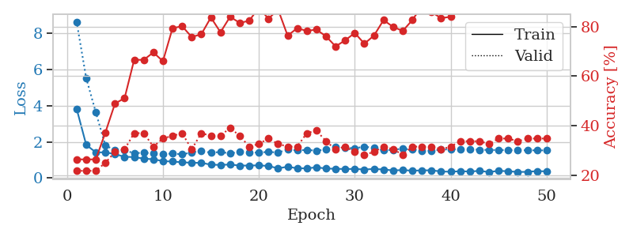
1.3449495098 | 2.3636843536 | 0.27717391304 | 0.21739130435 | 0.085630893707 | 27.717391304 | 21.739130435
1.1876053395 | 1.834545234 | 0.47010869565 | 0.23913043478 | 0.085587263107 | 47.010869565 | 23.913043478
1.1034394917 | 1.4830649988 | 0.65489130435 | 0.29347826087 | 0.08624458313 | 65.489130435 | 29.347826087
1.040511108 | 1.5928522815 | 0.65760869565 | 0.32608695652 | 0.09006524086 | 65.760869565 | 32.608695652
1.0192384538 | 1.5441912361 | 0.68206521739 | 0.3152173913 | 0.098454713821 | 68.206521739 | 31.52173913
1.0016116318 | 1.673045827 | 0.69565217391 | 0.36956521739 | 0.085929632187 | 69.565217391 | 36.956521739
0.92116558811 | 1.5945110788 | 0.70380434783 | 0.32608695652 | 0.08616232872 | 70.380434783 | 32.608695652
0.83666409358 | 1.7002325835 | 0.71195652174 | 0.30434782609 | 0.085408449173 | 71.195652174 | 30.434782609
0.85389001473 | 1.6080274219 | 0.75543478261 | 0.3152173913 | 0.086261510849 | 75.543478261 | 31.52173913
0.89139222321 | 1.7326930865 | 0.70652173913 | 0.32608695652 | 0.084800243378 | 70.652173913 | 32.608695652
0.82201623528 | 1.7591635196 | 0.67663043478 | 0.29347826087 | 0.085058450699 | 67.663043478 | 29.347826087
0.80033872568 | 1.6404857635 | 0.83423913043 | 0.29347826087 | 0.084663629532 | 83.423913043 | 29.347826087
0.73649925771 | 1.7384137226 | 0.83967391304 | 0.3152173913 | 0.08561372757 | 83.967391304 | 31.52173913
0.70001643378 | 1.7408808677 | 0.7527173913 | 0.29347826087 | 0.085091352463 | 75.27173913 | 29.347826087
0.7455725942 | 1.6674226263 | 0.83695652174 | 0.32608695652 | 0.084495544434 | 83.695652174 | 32.608695652
0.67609132632 | 1.7139795189 | 0.83967391304 | 0.33695652174 | 0.084052085876 | 83.967391304 | 33.695652174
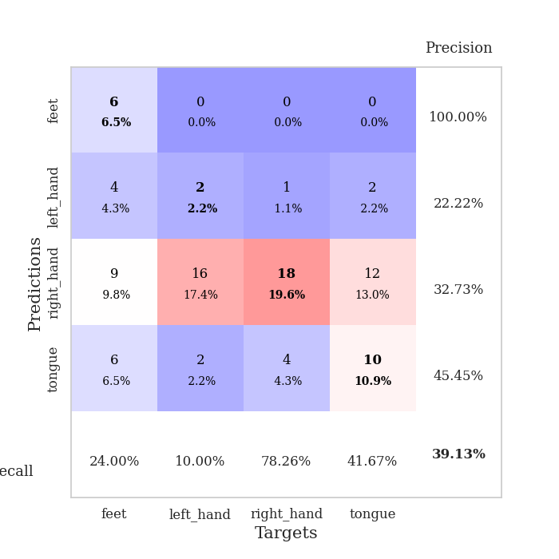
0.66319029875 | 1.8816265231 | 0.77989130435 | 0.34782608696 | 0.084690093994 | 77.989130435 | 34.782608696
0.67294741713 | 1.7948533348 | 0.84782608696 | 0.33695652174 | 0.086960077286 | 84.782608696 | 33.695652174
0.63606007332 | 1.8889684988 | 0.78532608696 | 0.34782608696 | 0.088765621185 | 78.532608696 | 34.782608696
0.6246355474 | 1.9135736797 | 0.77989130435 | 0.34782608696 | 0.089708328247 | 77.989130435 | 34.782608696
0.60448003463 | 1.9919006565 | 0.75 | 0.33695652174 | 0.087741613388 | 75 | 33.695652174
0.53659184731 | 2.105285121 | 0.7472826087 | 0.32608695652 | 0.0978474617 | 74.72826087 | 32.608695652
0.54900528685 | 1.8908127235 | 0.80434782609 | 0.30434782609 | 0.085953950882 | 80.434782609 | 30.434782609
0.55790548869 | 2.0336616298 | 0.77989130435 | 0.32608695652 | 0.085919380188 | 77.989130435 | 32.608695652
0.5434798676 | 1.9548850681 | 0.83967391304 | 0.33695652174 | 0.08562874794 | 83.967391304 | 33.695652174
0.5127071518 | 1.9341483375 | 0.8152173913 | 0.27173913043 | 0.086305141449 | 81.52173913 | 27.173913043
0.53540734104 | 1.8820758954 | 0.85054347826 | 0.34782608696 | 0.086317539215 | 85.054347826 | 34.782608696
0.46362288685 | 1.8513554024 | 0.8777173913 | 0.30434782609 | 0.085659742355 | 87.77173913 | 30.434782609
0.43580565893 | 1.9528059182 | 0.8777173913 | 0.3152173913 | 0.086159706116 | 87.77173913 | 31.52173913
0.52855127402 | 1.9434026739 | 0.8777173913 | 0.33695652174 | 0.085677623749 | 87.77173913 | 33.695652174
0.43174686445 | 1.9392041694 | 0.8722826087 | 0.33695652174 | 0.086024045944 | 87.22826087 | 33.695652174
0.50017731021 | 1.9154410621 | 0.88586956522 | 0.34782608696 | 0.085957527161 | 88.586956522 | 34.782608696
0.42884289959 | 2.0244031315 | 0.86141304348 | 0.27173913043 | 0.08630156517 | 86.141304348 | 27.173913043
0.45231449863 | 1.8855663745 | 0.89402173913 | 0.33695652174 | 0.086040258408 | 89.402173913 | 33.695652174
0.45714584123 | 1.8993505861 | 0.89945652174 | 0.33695652174 | 0.089334249496 | 89.945652174 | 33.695652174
0.40160456818 | 1.9616614166 | 0.91304347826 | 0.3152173913 | 0.08829498291 | 91.304347826 | 31.52173913
0.42797033877 | 1.9295664818 | 0.94836956522 | 0.28260869565 | 0.086132764816 | 94.836956522 | 28.260869565
0.37365682164 | 1.9650266067 | 0.93206521739 | 0.32608695652 | 0.087723493576 | 93.206521739 | 32.608695652
0.41083431179 | 2.0007991428 | 0.89130434783 | 0.30434782609 | 0.085923433304 | 89.130434783 | 30.434782609
0.42626653871 | 1.9438348905 | 0.93206521739 | 0.30434782609 | 0.088283777237 | 93.206521739 | 30.434782609
0.41006961271 | 1.9082450297 | 0.94565217391 | 0.29347826087 | 0.085254430771 | 94.565217391 | 29.347826087
0.44355724622 | 1.9366402056 | 0.94293478261 | 0.30434782609 | 0.087240934372 | 94.293478261 | 30.434782609
0.40593684951 | 1.9413452667 | 0.94293478261 | 0.30434782609 | 0.08654999733 | 94.293478261 | 30.434782609
0.3427042932 | 1.9387755705 | 0.94565217391 | 0.29347826087 | 0.086188077927 | 94.565217391 | 29.347826087
0.39735124098 | 1.9357283064 | 0.94565217391 | 0.29347826087 | 0.086006641388 | 94.565217391 | 29.347826087
0.40091711931 | 1.9344437381 | 0.94836956522 | 0.29347826087 | 0.086108207703 | 94.836956522 | 29.347826087
0.42263441436 | 1.9351167316 | 0.94836956522 | 0.29347826087 | 0.086394548416 | 94.836956522 | 29.347826087
0.41699841392 | 1.9366522094 | 0.95108695652 | 0.29347826087 | 0.085712432861 | 95.108695652 | 29.347826087

Best Val accuracy is 0.3695652173913043 and Best test accuracy is 0.3275862068965517

Sheet7
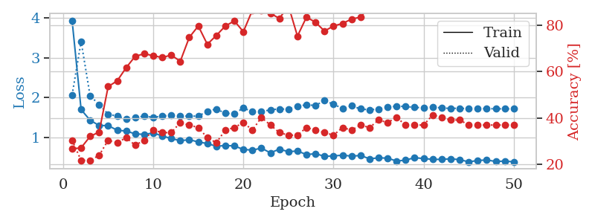
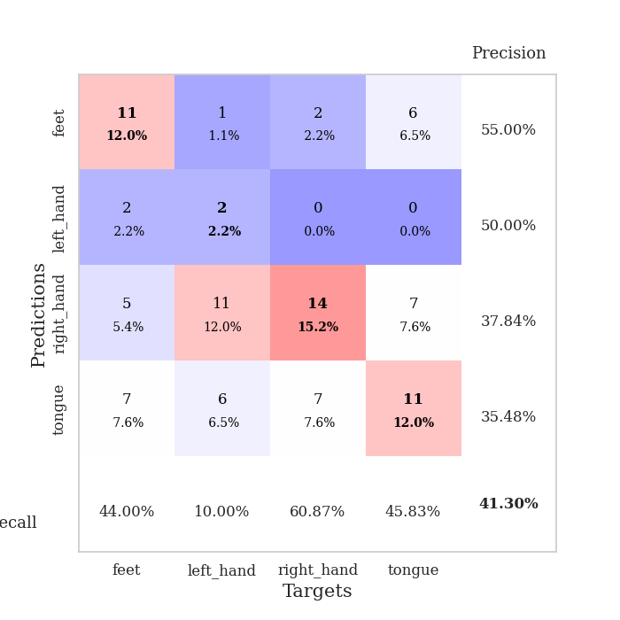
train_loss | valid_loss | train_accuracy | valid_accuracy | dur | train_misclass | valid_misclass
2.2921847675 | 1.5372973577 | 0.28804347826 | 0.22826086957 | 0.083609580994 | 28.804347826 | 22.826086957
1.7375519535 | 1.673695896 | 0.29347826087 | 0.3152173913 | 0.081744670868 | 29.347826087 | 31.52173913
1.5632947632 | 1.669661185 | 0.28804347826 | 0.21739130435 | 0.081570386887 | 28.804347826 | 21.739130435
1.3431657345 | 1.5320991381 | 0.40760869565 | 0.25 | 0.081462144852 | 40.760869565 | 25
1.3126636588 | 1.4295662538 | 0.5027173913 | 0.32608695652 | 0.081613063812 | 50.27173913 | 32.608695652
1.1942341639 | 1.3936336818 | 0.55434782609 | 0.38043478261 | 0.081707239151 | 55.434782609 | 38.043478261
1.1429640262 | 1.4838864907 | 0.64945652174 | 0.28260869565 | 0.081986427307 | 64.945652174 | 28.260869565
1.0763777158 | 1.5012024848 | 0.69836956522 | 0.26086956522 | 0.081801652908 | 69.836956522 | 26.086956522
0.98677978827 | 1.593911881 | 0.69836956522 | 0.34782608696 | 0.081482172012 | 69.836956522 | 34.782608696
0.9650396601 | 1.6118015414 | 0.74184782609 | 0.29347826087 | 0.081627845764 | 74.184782609 | 29.347826087
0.92320233583 | 1.7593056067 | 0.71195652174 | 0.32608695652 | 0.081783294678 | 71.195652174 | 32.608695652
0.87771981955 | 1.7520603563 | 0.74456521739 | 0.34782608696 | 0.081551790237 | 74.456521739 | 34.782608696
0.8875112404 | 1.7444457956 | 0.7527173913 | 0.34782608696 | 0.081600427628 | 75.27173913 | 34.782608696
0.81706015183 | 1.8615518808 | 0.80163043478 | 0.28260869565 | 0.081809043884 | 80.163043478 | 28.260869565
0.77358127418 | 1.8270529457 | 0.85054347826 | 0.32608695652 | 0.081582784653 | 85.054347826 | 32.608695652
0.72328461642 | 1.7725666761 | 0.86956521739 | 0.29347826087 | 0.08180642128 | 86.956521739 | 29.347826087
0.74359621561 | 1.9186756559 | 0.82065217391 | 0.30434782609 | 0.081417798996 | 82.065217391 | 30.434782609
0.70831633392 | 1.9018369965 | 0.86413043478 | 0.3152173913 | 0.081966161728 | 86.413043478 | 31.52173913
0.66121918352 | 1.9411946328 | 0.86684782609 | 0.32608695652 | 0.081898927689 | 86.684782609 | 32.608695652
0.63247194627 | 1.9241625744 | 0.8777173913 | 0.35869565217 | 0.081775903702 | 87.77173913 | 35.869565217
0.68512115466 | 1.7824993704 | 0.89402173913 | 0.35869565217 | 0.081674098969 | 89.402173913 | 35.869565217
0.63978885697 | 2.0029644707 | 0.82880434783 | 0.33695652174 | 0.08191037178 | 82.880434783 | 33.695652174
0.5716926909 | 1.9081347455 | 0.84510869565 | 0.34782608696 | 0.081851959229 | 84.510869565 | 34.782608696
0.60243054965 | 1.8857036103 | 0.91847826087 | 0.30434782609 | 0.081859827042 | 91.847826087 | 30.434782609
0.57947257679 | 1.8668476602 | 0.88858695652 | 0.3152173913 | 0.081766366959 | 88.858695652 | 31.52173913
0.60766112027 | 1.7339479198 | 0.96195652174 | 0.30434782609 | 0.08150601387 | 96.195652174 | 30.434782609
0.58942019162 | 1.7705570511 | 0.94565217391 | 0.29347826087 | 0.081614494324 | 94.565217391 | 29.347826087
0.48371843151 | 1.9954406541 | 0.86141304348 | 0.30434782609 | 0.081509590149 | 86.141304348 | 30.434782609
0.52687121798 | 2.0442768646 | 0.84239130435 | 0.32608695652 | 0.081815481186 | 84.239130435 | 32.608695652
0.52543990444 | 2.0186119546 | 0.85597826087 | 0.34782608696 | 0.081810474396 | 85.597826087 | 34.782608696
0.50339777055 | 1.8495349314 | 0.86956521739 | 0.32608695652 | 0.081757307053 | 86.956521739 | 32.608695652
0.46358621898 | 1.8292151793 | 0.95108695652 | 0.32608695652 | 0.081855535507 | 95.108695652 | 32.608695652
0.41830422956 | 1.873188449 | 0.90760869565 | 0.32608695652 | 0.08171081543 | 90.760869565 | 32.608695652
0.42294330377 | 1.9093641198 | 0.91304347826 | 0.32608695652 | 0.081780433655 | 91.304347826 | 32.608695652
0.45537455574 | 1.9321078632 | 0.94565217391 | 0.33695652174 | 0.08179974556 | 94.565217391 | 33.695652174
0.46275894409 | 2.0191606491 | 0.88858695652 | 0.34782608696 | 0.081795930862 | 88.858695652 | 34.782608696
0.46400880619 | 1.9537830094 | 0.90760869565 | 0.33695652174 | 0.08197426796 | 90.760869565 | 33.695652174
0.45315982725 | 1.9603177102 | 0.94836956522 | 0.34782608696 | 0.081707715988 | 94.836956522 | 34.782608696
0.41859839792 | 1.9634579731 | 0.9402173913 | 0.34782608696 | 0.081703901291 | 94.02173913 | 34.782608696
0.42535054878 | 1.9458853887 | 0.9375 | 0.32608695652 | 0.08186340332 | 93.75 | 32.608695652
0.43690158492 | 1.9626388913 | 0.92119565217 | 0.32608695652 | 0.081657171249 | 92.119565217 | 32.608695652
0.44862526655 | 1.9785142826 | 0.92934782609 | 0.32608695652 | 0.081817150116 | 92.934782609 | 32.608695652
0.42136962647 | 1.9905166419 | 0.93206521739 | 0.33695652174 | 0.081844568253 | 93.206521739 | 33.695652174
0.39186880381 | 1.986702126 | 0.93206521739 | 0.32608695652 | 0.081745386124 | 93.206521739 | 32.608695652
0.39667644643 | 1.9814789399 | 0.93206521739 | 0.32608695652 | 0.081651687622 | 93.206521739 | 32.608695652
0.39039379358 | 1.9806122987 | 0.93206521739 | 0.32608695652 | 0.081817388535 | 93.206521739 | 32.608695652
0.37502851078 | 1.9742717795 | 0.9347826087 | 0.32608695652 | 0.081786632538 | 93.47826087 | 32.608695652
0.40515764576 | 1.9697851513 | 0.9347826087 | 0.32608695652 | 0.081818342209 | 93.47826087 | 32.608695652
0.40680542977 | 1.9665583476 | 0.9347826087 | 0.32608695652 | 0.081754684448 | 93.47826087 | 32.608695652
0.38933155394 | 1.9658490057 | 0.9375 | 0.32608695652 | 0.081762075424 | 93.75 | 32.608695652

Best Val accuracy is 0.3804347826086957 and Best test accuracy is 0.3103448275862069
train_loss | valid_loss | train_accuracy | valid_accuracy | dur | train_misclass | valid_misclass
3.9377131929 | 2.0625718884 | 0.26630434783 | 0.30434782609 | 0.087000846863 | 26.630434783 | 30.434782609
1.6937677342 | 3.4118520592 | 0.27173913043 | 0.21739130435 | 0.085353851318 | 27.173913043 | 21.739130435
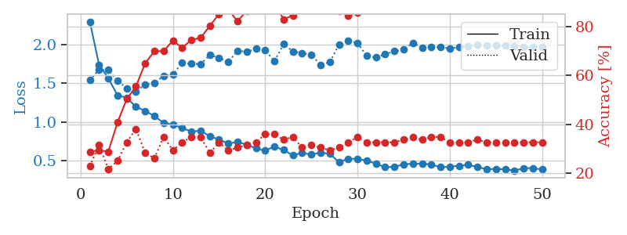
1.4264876583 | 2.0382297454 | 0.32065217391 | 0.21739130435 | 0.085330486298 | 32.065217391 | 21.739130435
1.2936008054 | 1.8234852397 | 0.33967391304 | 0.23913043478 | 0.084692716599 | 33.967391304 | 23.913043478
1.2919516615 | 1.5789336329 | 0.53532608696 | 0.30434782609 | 0.088678121567 | 53.532608696 | 30.434782609
1.175129481 | 1.530165833 | 0.5597826087 | 0.29347826087 | 0.085122346878 | 55.97826087 | 29.347826087
1.1535364234 | 1.4611298053 | 0.61684782609 | 0.3152173913 | 0.085587501526 | 61.684782609 | 31.52173913
1.0834026518 | 1.4937592071 | 0.66576086957 | 0.28260869565 | 0.087861299515 | 66.576086957 | 28.260869565
1.0694672517 | 1.5317506427 | 0.67663043478 | 0.30434782609 | 0.08588719368 | 67.663043478 | 30.434782609
1.105952789 | 1.4955990988 | 0.66847826087 | 0.34782608696 | 0.085464715958 | 66.847826087 | 34.782608696
1.0312477972 | 1.5340313238 | 0.66032608696 | 0.33695652174 | 0.08903503418 | 66.032608696 | 33.695652174
0.96524359869 | 1.5464114884 | 0.67119565217 | 0.33695652174 | 0.085382223129 | 67.119565217 | 33.695652174
0.91117389047 | 1.5343098951 | 0.64402173913 | 0.38043478261 | 0.085957527161 | 64.402173913 | 38.043478261
0.93599281233 | 1.5290242174 | 0.7472826087 | 0.36956521739 | 0.085416555405 | 74.72826087 | 36.956521739
0.87943255124 | 1.5305612709 | 0.79619565217 | 0.35869565217 | 0.085118770599 | 79.619565217 | 35.869565217
0.83922652317 | 1.650814471 | 0.71739130435 | 0.3152173913 | 0.085268259048 | 71.739130435 | 31.52173913
0.7712044677 | 1.7108136519 | 0.75543478261 | 0.29347826087 | 0.08579826355 | 75.543478261 | 29.347826087
0.78914141137 | 1.6000999109 | 0.79619565217 | 0.34782608696 | 0.085661888123 | 79.619565217 | 34.782608696
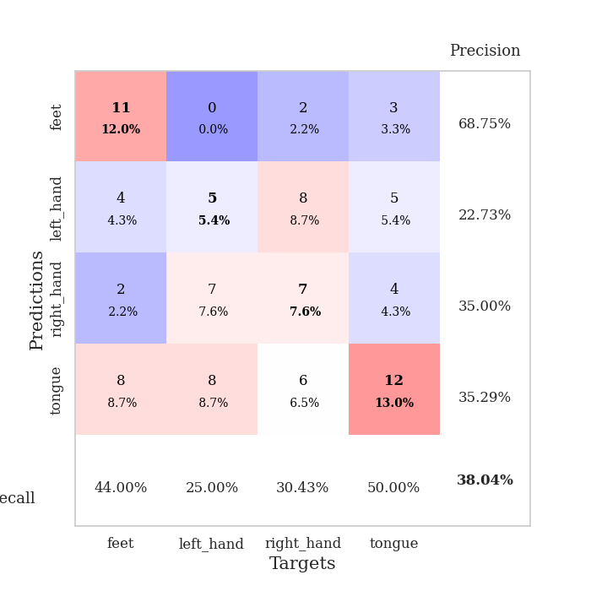
0.77900421619 | 1.5885412641 | 0.81793478261 | 0.35869565217 | 0.085534334183 | 81.793478261 | 35.869565217
0.69027236622 | 1.7371960775 | 0.77173913043 | 0.38043478261 | 0.085776329041 | 77.173913043 | 38.043478261
0.67365102535 | 1.6384999182 | 0.86413043478 | 0.34782608696 | 0.086138963699 | 86.413043478 | 34.782608696
0.7239953124 | 1.6419382147 | 0.86413043478 | 0.40217391304 | 0.085656166077 | 86.413043478 | 40.217391304
0.60393523263 | 1.6891015353 | 0.85054347826 | 0.36956521739 | 0.09107375145 | 85.054347826 | 36.956521739
0.69956213495 | 1.7109890762 | 0.82880434783 | 0.33695652174 | 0.08573102951 | 82.880434783 | 33.695652174
0.63263123968 | 1.7045610366 | 0.88315217391 | 0.32608695652 | 0.086005449295 | 88.315217391 | 32.608695652
0.65228345213 | 1.7783525094 | 0.7527173913 | 0.32608695652 | 0.085941076279 | 75.27173913 | 32.608695652
0.56030538289 | 1.816203786 | 0.83423913043 | 0.35869565217 | 0.085549116135 | 83.423913043 | 35.869565217
0.58440448668 | 1.7968569476 | 0.8125 | 0.34782608696 | 0.085405111313 | 81.25 | 34.782608696
0.51689401139 | 1.923701447 | 0.77445652174 | 0.33695652174 | 0.08539223671 | 77.445652174 | 33.695652174
0.52615752168 | 1.8267302202 | 0.79619565217 | 0.32608695652 | 0.085883378983 | 79.619565217 | 32.608695652
0.54600496266 | 1.7267547639 | 0.80706521739 | 0.35869565217 | 0.085673093796 | 80.706521739 | 35.869565217
0.52227636459 | 1.7874227866 | 0.82608695652 | 0.34782608696 | 0.085685491562 | 82.608695652 | 34.782608696
0.53768510987 | 1.7123583089 | 0.83423913043 | 0.36956521739 | 0.085563898087 | 83.423913043 | 36.956521739
0.45508398893 | 1.6866605645 | 0.88043478261 | 0.35869565217 | 0.085418224335 | 88.043478261 | 35.869565217
0.47821569119 | 1.7097035595 | 0.875 | 0.39130434783 | 0.085586071014 | 87.5 | 39.130434783
0.47212905016 | 1.7532577929 | 0.89402173913 | 0.38043478261 | 0.085439682007 | 89.402173913 | 38.043478261
0.39707436963 | 1.7823289633 | 0.88586956522 | 0.40217391304 | 0.085505723953 | 88.586956522 | 40.217391304
0.42168135941 | 1.7720293144 | 0.88586956522 | 0.36956521739 | 0.085412502289 | 88.586956522 | 36.956521739
0.48357511668 | 1.7495174926 | 0.92934782609 | 0.36956521739 | 0.085443496704 | 92.934782609 | 36.956521739
0.46041179869 | 1.7408596796 | 0.91304347826 | 0.36956521739 | 0.08910369873 | 91.304347826 | 36.956521739
0.44137995334 | 1.7614718987 | 0.92119565217 | 0.41304347826 | 0.08596777916 | 92.119565217 | 41.304347826
0.43944387527 | 1.7344855122 | 0.92391304348 | 0.40217391304 | 0.089727878571 | 92.391304348 | 40.217391304
0.45493993876 | 1.7239565435 | 0.92663043478 | 0.39130434783 | 0.085905790329 | 92.663043478 | 39.130434783
0.43324232814 | 1.729957565 | 0.92391304348 | 0.39130434783 | 0.088600158691 | 92.391304348 | 39.130434783
0.37747494552 | 1.7155329507 | 0.92934782609 | 0.36956521739 | 0.086488962173 | 92.934782609 | 36.956521739
0.41234478484 | 1.7164576987 | 0.93206521739 | 0.36956521739 | 0.085699796677 | 93.206521739 | 36.956521739
0.4245376872 | 1.7184747768 | 0.9375 | 0.36956521739 | 0.085696220398 | 93.75 | 36.956521739
0.38775751902 | 1.7150640177 | 0.94836956522 | 0.36956521739 | 0.085839748383 | 94.836956522 | 36.956521739
0.39714984531 | 1.7136463756 | 0.95108695652 | 0.36956521739 | 0.085836172104 | 95.108695652 | 36.956521739
0.37862028797 | 1.712030447 | 0.95380434783 | 0.36956521739 | 0.085332632065 | 95.380434783 | 36.956521739

Best Val accuracy is 0.41304347826086957 and Best test accuracy is 0.3448275862068966

Sheet8
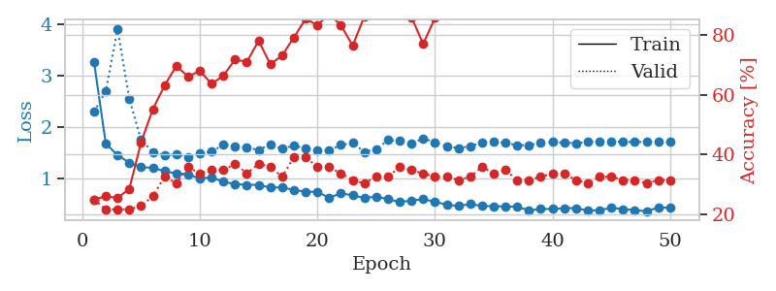
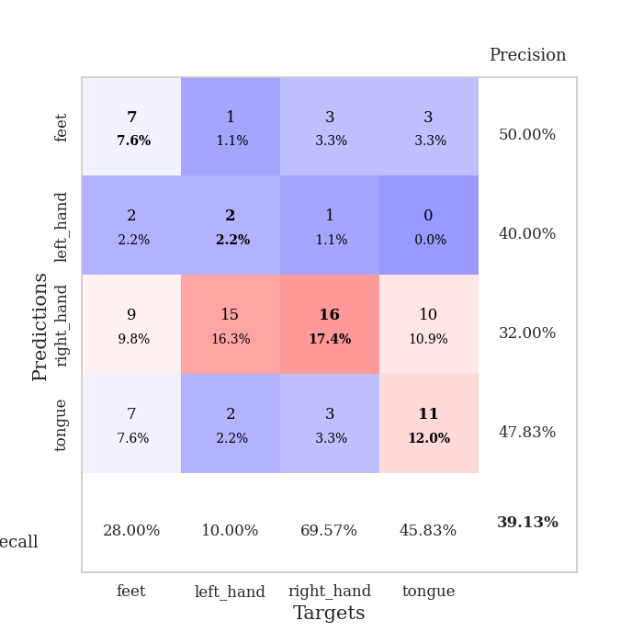
train_loss | valid_loss | train_accuracy | valid_accuracy | dur | train_misclass | valid_misclass
3.7583078923 | 5.5724666222 | 0.26086956522 | 0.21739130435 | 0.086134910583 | 26.086956522 | 21.739130435
1.6713672721 | 3.5762431725 | 0.26086956522 | 0.21739130435 | 0.084403514862 | 26.086956522 | 21.739130435
1.41781157 | 3.8787043406 | 0.25543478261 | 0.21739130435 | 0.084109067917 | 25.543478261 | 21.739130435
1.2282021719 | 3.1559851584 | 0.26630434783 | 0.21739130435 | 0.084442853928 | 26.630434783 | 21.739130435
1.2713035216 | 1.8023000748 | 0.47554347826 | 0.22826086957 | 0.08438038826 | 47.554347826 | 22.826086957
1.1504144591 | 2.0765943009 | 0.42391304348 | 0.22826086957 | 0.084073543549 | 42.391304348 | 22.826086957
1.105972417 | 1.6851735944 | 0.61684782609 | 0.27173913043 | 0.086735010147 | 61.684782609 | 27.173913043
1.0969202285 | 1.5817774016 | 0.66576086957 | 0.3152173913 | 0.085933685303 | 66.576086957 | 31.52173913
1.0082893242 | 1.5945274208 | 0.68206521739 | 0.34782608696 | 0.084641695023 | 68.206521739 | 34.782608696
0.93617077755 | 1.6076522133 | 0.71467391304 | 0.3152173913 | 0.084468126297 | 71.467391304 | 31.52173913
0.94517313916 | 1.6579326288 | 0.6902173913 | 0.30434782609 | 0.084399223328 | 69.02173913 | 30.434782609
0.89147929005 | 1.7162375502 | 0.71467391304 | 0.33695652174 | 0.084243535995 | 71.467391304 | 33.695652174
0.84097642484 | 1.7369291212 | 0.70380434783 | 0.30434782609 | 0.08433508873 | 70.380434783 | 30.434782609
0.82033830363 | 1.7609823528 | 0.72826086957 | 0.3152173913 | 0.084559202194 | 72.826086957 | 31.52173913
0.83896841174 | 1.6730525805 | 0.78532608696 | 0.34782608696 | 0.084896564484 | 78.532608696 | 34.782608696
0.72127147084 | 1.6412441782 | 0.78804347826 | 0.34782608696 | 0.084450960159 | 78.804347826 | 34.782608696
0.72984436284 | 1.7260055283 | 0.7527173913 | 0.29347826087 | 0.084445238113 | 75.27173913 | 29.347826087
0.7722070865 | 1.6928839891 | 0.84510869565 | 0.34782608696 | 0.084541559219 | 84.510869565 | 34.782608696
0.65539574234 | 1.6313413278 | 0.83423913043 | 0.34782608696 | 0.0847260952 | 83.423913043 | 34.782608696
0.63888336524 | 1.730298628 | 0.8097826087 | 0.30434782609 | 0.084602594376 | 80.97826087 | 30.434782609
0.62095544649 | 1.7747771377 | 0.79619565217 | 0.3152173913 | 0.08442401886 | 79.619565217 | 31.52173913
0.63657837458 | 1.6729455979 | 0.86956521739 | 0.32608695652 | 0.084416627884 | 86.956521739 | 32.608695652
0.58518356603 | 1.809774886 | 0.85597826087 | 0.3152173913 | 0.085916519165 | 85.597826087 | 31.52173913
0.58533981896 | 1.7614037058 | 0.84782608696 | 0.29347826087 | 0.085383653641 | 84.782608696 | 29.347826087
0.52267660006 | 1.7503972624 | 0.8777173913 | 0.28260869565 | 0.084685325623 | 87.77173913 | 28.260869565
0.50812328574 | 1.8333816787 | 0.83695652174 | 0.3152173913 | 0.084573507309 | 83.695652174 | 31.52173913
0.46751276954 | 1.9718782902 | 0.78804347826 | 0.3152173913 | 0.084738731384 | 78.804347826 | 31.52173913
0.47546139683 | 1.9701374769 | 0.82880434783 | 0.3152173913 | 0.084666252136 | 82.880434783 | 31.52173913
0.52220386979 | 1.8141371219 | 0.86956521739 | 0.32608695652 | 0.084614992142 | 86.956521739 | 32.608695652
0.48757431689 | 1.769865461 | 0.88586956522 | 0.27173913043 | 0.084492206573 | 88.586956522 | 27.173913043
0.4507105195 | 1.8491204977 | 0.91576086957 | 0.30434782609 | 0.084379673004 | 91.576086957 | 30.434782609
0.47424532603 | 1.854318002 | 0.89402173913 | 0.30434782609 | 0.084321022034 | 89.402173913 | 30.434782609
0.39168189401 | 1.9027129204 | 0.8777173913 | 0.30434782609 | 0.084424495697 | 87.77173913 | 30.434782609
0.40350822457 | 1.786110028 | 0.91032608696 | 0.29347826087 | 0.084523677826 | 91.032608696 | 29.347826087
0.46056643841 | 1.9011959978 | 0.92391304348 | 0.3152173913 | 0.084486722946 | 92.391304348 | 31.52173913
0.43579034896 | 1.868878406 | 0.91032608696 | 0.29347826087 | 0.087193727493 | 91.032608696 | 29.347826087
0.36398726831 | 1.7665277305 | 0.92934782609 | 0.3152173913 | 0.084616184235 | 92.934782609 | 31.52173913
0.42436448841 | 1.8421693729 | 0.90217391304 | 0.30434782609 | 0.084712982178 | 90.217391304 | 30.434782609
0.4338881814 | 1.8598685627 | 0.92391304348 | 0.28260869565 | 0.084456443787 | 92.391304348 | 28.260869565
0.34780833319 | 1.8169182228 | 0.93206521739 | 0.27173913043 | 0.084577322006 | 93.206521739 | 27.173913043
0.37885287858 | 1.8152670186 | 0.92934782609 | 0.28260869565 | 0.086767196655 | 92.934782609 | 28.260869565
0.36877835186 | 1.8741595952 | 0.92663043478 | 0.30434782609 | 0.085043668747 | 92.663043478 | 30.434782609
0.39447672536 | 1.8663830187 | 0.9347826087 | 0.3152173913 | 0.084644079208 | 93.47826087 | 31.52173913
0.39166396953 | 1.8532624815 | 0.9402173913 | 0.33695652174 | 0.084670543671 | 94.02173913 | 33.695652174
0.36813892942 | 1.8386022993 | 0.94293478261 | 0.33695652174 | 0.084899902344 | 94.293478261 | 33.695652174
0.31471996398 | 1.8379131141 | 0.94293478261 | 0.33695652174 | 0.084711551666 | 94.293478261 | 33.695652174
0.34004242524 | 1.8386354809 | 0.94565217391 | 0.33695652174 | 0.08447098732 | 94.565217391 | 33.695652174
0.37562361554 | 1.8386358645 | 0.94565217391 | 0.33695652174 | 0.088593959808 | 94.565217391 | 33.695652174
0.36243797839 | 1.8365301412 | 0.94565217391 | 0.33695652174 | 0.085912704468 | 94.565217391 | 33.695652174
0.29664391765 | 1.8349892108 | 0.94836956522 | 0.32608695652 | 0.084577560425 | 94.836956522 | 32.608695652

Best Val accuracy is 0.34782608695652173 and Best test accuracy is 0.29310344827586204
train_loss | valid_loss | train_accuracy | valid_accuracy | dur | train_misclass | valid_misclass
3.257696328 | 2.2967017371 | 0.25 | 0.25 | 0.088488101959 | 25 | 25
1.6855477613 | 2.6959612784 | 0.26086956522 | 0.21739130435 | 0.08617067337 | 26.086956522 | 21.739130435
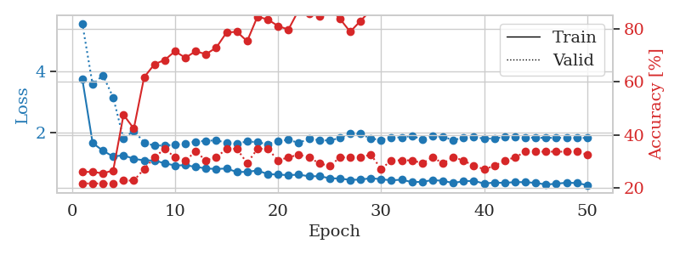
1.4565958614 | 3.9020273374 | 0.25543478261 | 0.21739130435 | 0.085347175598 | 25.543478261 | 21.739130435
1.3143599189 | 2.545087607 | 0.28532608696 | 0.21739130435 | 0.086142301559 | 28.532608696 | 21.739130435
1.2247138231 | 1.757208197 | 0.4402173913 | 0.22826086957 | 0.085355520248 | 44.02173913 | 22.826086957
1.2130439152 | 1.5177758725 | 0.55163043478 | 0.26086956522 | 0.085603713989 | 55.163043478 | 26.086956522
1.1500759384 | 1.4524423195 | 0.63043478261 | 0.32608695652 | 0.086054563522 | 63.043478261 | 32.608695652
1.1013426185 | 1.4755591672 | 0.69565217391 | 0.30434782609 | 0.086066246033 | 69.565217391 | 30.434782609
1.0904505978 | 1.4267849922 | 0.66032608696 | 0.35869565217 | 0.085503578186 | 66.032608696 | 35.869565217
1.0045591852 | 1.4971021828 | 0.67934782609 | 0.33695652174 | 0.085702896118 | 67.934782609 | 33.695652174
1.0295431536 | 1.5294387911 | 0.63586956522 | 0.34782608696 | 0.086131572723 | 63.586956522 | 34.782608696
0.94209323759 | 1.6576087941 | 0.66304347826 | 0.34782608696 | 0.085702419281 | 66.304347826 | 34.782608696
0.90114411323 | 1.6329150666 | 0.71739130435 | 0.36956521739 | 0.08570098877 | 71.739130435 | 36.956521739
0.88374473738 | 1.6057237957 | 0.70923913043 | 0.33695652174 | 0.085635185242 | 70.923913043 | 33.695652174
0.88478235058 | 1.5592970796 | 0.77989130435 | 0.36956521739 | 0.085559606552 | 77.989130435 | 36.956521739
0.82987368884 | 1.6690814443 | 0.70108695652 | 0.35869565217 | 0.086611270905 | 70.108695652 | 35.869565217
0.83594813813 | 1.5821364807 | 0.73097826087 | 0.32608695652 | 0.085938215256 | 73.097826087 | 32.608695652
0.78469081806 | 1.6462425926 | 0.79076086957 | 0.39130434783 | 0.085710763931 | 79.076086957 | 39.130434783
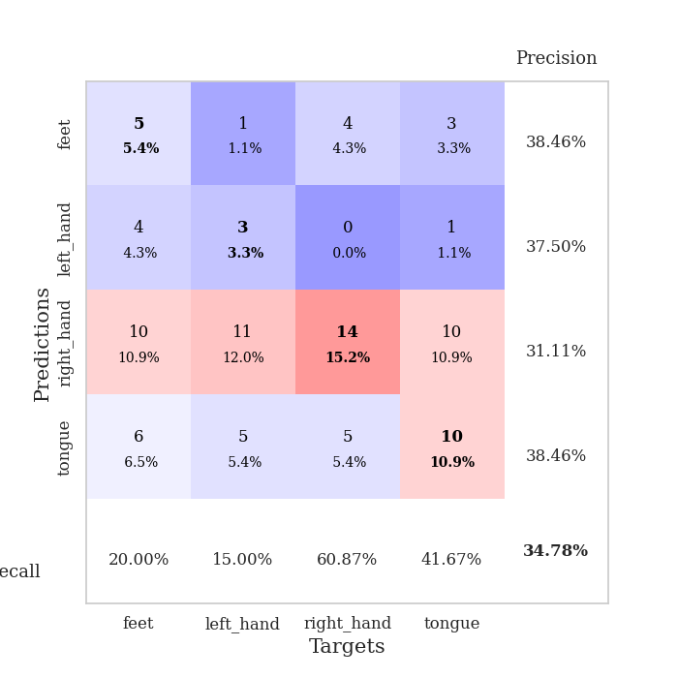
0.75259027274 | 1.5815497067 | 0.85326086957 | 0.39130434783 | 0.088732719421 | 85.326086957 | 39.130434783
0.74824570314 | 1.5557945345 | 0.83152173913 | 0.35869565217 | 0.085421562195 | 83.152173913 | 35.869565217
0.63300763913 | 1.549692553 | 0.86956521739 | 0.35869565217 | 0.085176229477 | 86.956521739 | 35.869565217
0.72256268885 | 1.6548515766 | 0.83152173913 | 0.33695652174 | 0.085304021835 | 83.152173913 | 33.695652174
0.67894352519 | 1.6947450016 | 0.76358695652 | 0.3152173913 | 0.085083246231 | 76.358695652 | 31.52173913
0.63214920526 | 1.5216761465 | 0.86141304348 | 0.30434782609 | 0.085768938065 | 86.141304348 | 30.434782609
0.6540742983 | 1.5748621433 | 0.86956521739 | 0.32608695652 | 0.086040735245 | 86.956521739 | 32.608695652
0.60787965422 | 1.7492947527 | 0.86684782609 | 0.32608695652 | 0.085829257965 | 86.684782609 | 32.608695652
0.54936947123 | 1.7320253123 | 0.875 | 0.35869565217 | 0.086064577103 | 87.5 | 35.869565217
0.58070626077 | 1.6830143307 | 0.85869565217 | 0.34782608696 | 0.085270643234 | 85.869565217 | 34.782608696
0.60657860015 | 1.7804035726 | 0.76902173913 | 0.33695652174 | 0.088190555573 | 76.902173913 | 33.695652174
0.55804406171 | 1.7106133803 | 0.85597826087 | 0.32608695652 | 0.08518910408 | 85.597826087 | 32.608695652
0.4996896438 | 1.6274904946 | 0.88043478261 | 0.32608695652 | 0.084909200668 | 88.043478261 | 32.608695652
0.47442838355 | 1.5969662148 | 0.90760869565 | 0.3152173913 | 0.08499455452 | 90.760869565 | 31.52173913
0.51226768157 | 1.6287319764 | 0.95652173913 | 0.32608695652 | 0.084455966949 | 95.652173913 | 32.608695652
0.47545498286 | 1.7044804511 | 0.9347826087 | 0.35869565217 | 0.085570812225 | 93.47826087 | 35.869565217
0.47073045243 | 1.7111377975 | 0.90760869565 | 0.33695652174 | 0.085205793381 | 90.760869565 | 33.695652174
0.46558856057 | 1.6987458312 | 0.9375 | 0.34782608696 | 0.085658311844 | 93.75 | 34.782608696
0.46274415436 | 1.6493717017 | 0.9347826087 | 0.3152173913 | 0.08553481102 | 93.47826087 | 31.52173913
0.3873653062 | 1.6531247523 | 0.92663043478 | 0.3152173913 | 0.085423231125 | 92.663043478 | 31.52173913
0.41744499103 | 1.6935900605 | 0.94565217391 | 0.32608695652 | 0.08531999588 | 94.565217391 | 32.608695652
0.41703911774 | 1.718239012 | 0.95923913043 | 0.33695652174 | 0.085176706314 | 95.923913043 | 33.695652174
0.43369932019 | 1.6990013796 | 0.95652173913 | 0.33695652174 | 0.083850622177 | 95.652173913 | 33.695652174
0.43393059723 | 1.6903323194 | 0.95380434783 | 0.3152173913 | 0.085332155228 | 95.380434783 | 31.52173913
0.3855967865 | 1.7135486084 | 0.9402173913 | 0.30434782609 | 0.084508180618 | 94.02173913 | 30.434782609
0.3953862566 | 1.7280596806 | 0.92934782609 | 0.32608695652 | 0.085055828094 | 92.934782609 | 32.608695652
0.43933744858 | 1.7233537643 | 0.93206521739 | 0.32608695652 | 0.085078239441 | 93.206521739 | 32.608695652
0.41568791089 | 1.715896311 | 0.9402173913 | 0.3152173913 | 0.085211038589 | 94.02173913 | 31.52173913
0.39591568644 | 1.7144292593 | 0.9402173913 | 0.3152173913 | 0.08556842804 | 94.02173913 | 31.52173913
0.37199577365 | 1.7140400254 | 0.94565217391 | 0.30434782609 | 0.085335254669 | 94.565217391 | 30.434782609
0.44769812408 | 1.7134856193 | 0.94565217391 | 0.3152173913 | 0.085058927536 | 94.565217391 | 31.52173913
0.43934262512 | 1.71261365 | 0.94836956522 | 0.3152173913 | 0.085523843765 | 94.836956522 | 31.52173913

Best Val accuracy is 0.391304347826087 and Best test accuracy is 0.29310344827586204

Sheet9
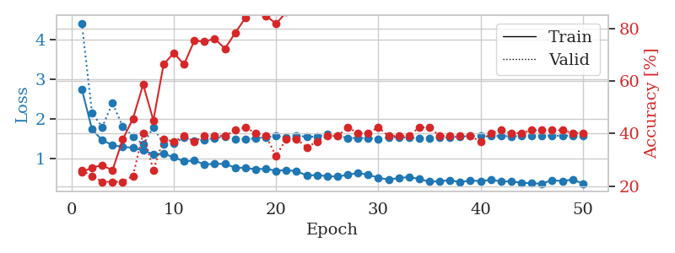
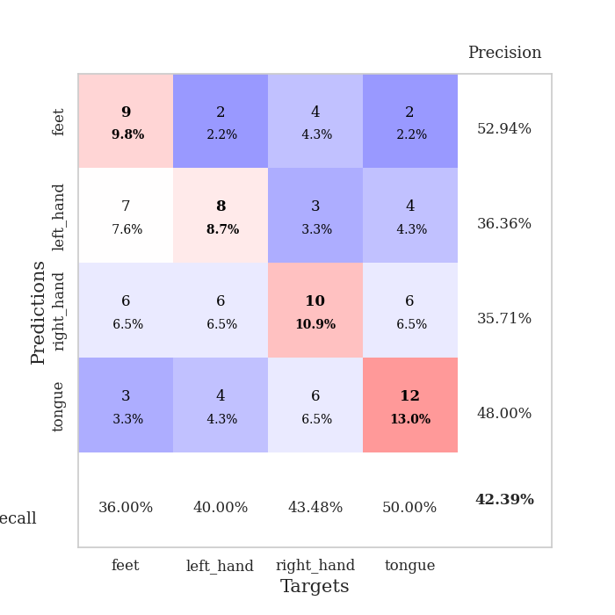
train_loss | valid_loss | train_accuracy | valid_accuracy | dur | train_misclass | valid_misclass
3.2298809653 | 7.5845528478 | 0.25543478261 | 0.21739130435 | 0.085919380188 | 25.543478261 | 21.739130435
1.6020520926 | 3.6117945961 | 0.25543478261 | 0.21739130435 | 0.084403753281 | 25.543478261 | 21.739130435
1.3846283374 | 2.8464327999 | 0.25543478261 | 0.21739130435 | 0.08405828476 | 25.543478261 | 21.739130435
1.336211233 | 3.2642082546 | 0.26902173913 | 0.21739130435 | 0.083749771118 | 26.902173913 | 21.739130435
1.2395434587 | 1.7602524343 | 0.44836956522 | 0.21739130435 | 0.084011077881 | 44.836956522 | 21.739130435
1.1048262767 | 1.5774552148 | 0.60869565217 | 0.29347826087 | 0.084046840668 | 60.869565217 | 29.347826087
1.1554799132 | 1.5052794322 | 0.65760869565 | 0.33695652174 | 0.084347963333 | 65.760869565 | 33.695652174
1.048593205 | 1.5328056346 | 0.69565217391 | 0.40217391304 | 0.084600448608 | 69.565217391 | 40.217391304
0.99588526332 | 1.6471353147 | 0.69836956522 | 0.29347826087 | 0.084265470505 | 69.836956522 | 29.347826087
0.96266790577 | 1.6019829771 | 0.70108695652 | 0.34782608696 | 0.08448600769 | 70.108695652 | 34.782608696
0.88642335197 | 1.688020276 | 0.73097826087 | 0.33695652174 | 0.084404945374 | 73.097826087 | 33.695652174
0.87147970822 | 1.7189132182 | 0.78532608696 | 0.29347826087 | 0.084449768066 | 78.532608696 | 29.347826087
0.87496278856 | 1.6657597449 | 0.80434782609 | 0.34782608696 | 0.084578514099 | 80.434782609 | 34.782608696
0.79435396454 | 1.646594343 | 0.8097826087 | 0.33695652174 | 0.084367752075 | 80.97826087 | 33.695652174
0.75253924209 | 1.6672105012 | 0.77717391304 | 0.35869565217 | 0.087284803391 | 77.717391304 | 35.869565217
0.77902540824 | 1.6419648917 | 0.85869565217 | 0.32608695652 | 0.085820674896 | 85.869565217 | 32.608695652
0.73235057748 | 1.6655763077 | 0.85054347826 | 0.28260869565 | 0.084983587265 | 85.054347826 | 28.260869565
0.69914648714 | 1.6040629796 | 0.8152173913 | 0.30434782609 | 0.084374904633 | 81.52173913 | 30.434782609
0.65815099167 | 1.7345051714 | 0.86956521739 | 0.3152173913 | 0.084467411041 | 86.956521739 | 31.52173913
0.64532005398 | 1.7318805275 | 0.84782608696 | 0.32608695652 | 0.084067583084 | 84.782608696 | 32.608695652
0.63866662202 | 1.7654588404 | 0.85869565217 | 0.30434782609 | 0.084405899048 | 85.869565217 | 30.434782609
0.5578903828 | 1.9566987623 | 0.83967391304 | 0.28260869565 | 0.08437371254 | 83.967391304 | 28.260869565
0.56408329762 | 1.9584811123 | 0.82880434783 | 0.3152173913 | 0.084622859955 | 82.880434783 | 31.52173913
0.51754508589 | 1.7529053818 | 0.92663043478 | 0.32608695652 | 0.084260225296 | 92.663043478 | 32.608695652
0.5549978886 | 1.75038778 | 0.85869565217 | 0.34782608696 | 0.084595441818 | 85.869565217 | 34.782608696
0.56257911221 | 1.7555203645 | 0.89945652174 | 0.34782608696 | 0.084667444229 | 89.945652174 | 34.782608696
0.5226056511 | 1.9228317245 | 0.85597826087 | 0.30434782609 | 0.084482431412 | 85.597826087 | 30.434782609
0.51549002528 | 1.799818083 | 0.875 | 0.30434782609 | 0.084435224533 | 87.5 | 30.434782609
0.49541638727 | 1.8489933092 | 0.9402173913 | 0.36956521739 | 0.084064245224 | 94.02173913 | 36.956521739
0.48707762879 | 1.8484694543 | 0.91576086957 | 0.33695652174 | 0.084123134613 | 91.576086957 | 33.695652174
0.49086320271 | 1.8934994288 | 0.91304347826 | 0.32608695652 | 0.084273815155 | 91.304347826 | 32.608695652
0.4208947242 | 1.7749498253 | 0.91847826087 | 0.35869565217 | 0.084396123886 | 91.847826087 | 35.869565217
0.4373862102 | 1.7733232923 | 0.9347826087 | 0.30434782609 | 0.084250926971 | 93.47826087 | 30.434782609
0.41164825986 | 1.848890911 | 0.91576086957 | 0.34782608696 | 0.084367513657 | 91.576086957 | 34.782608696
0.38471227042 | 1.8039629252 | 0.94836956522 | 0.33695652174 | 0.084165334702 | 94.836956522 | 33.695652174
0.4084658558 | 1.8688975884 | 0.95380434783 | 0.33695652174 | 0.084361314774 | 95.380434783 | 33.695652174
0.36600168114 | 1.8617821621 | 0.95652173913 | 0.32608695652 | 0.084231853485 | 95.652173913 | 32.608695652
0.40088352885 | 1.7836705083 | 0.96739130435 | 0.33695652174 | 0.084174394608 | 96.739130435 | 33.695652174
0.32343127157 | 1.7996664721 | 0.95380434783 | 0.33695652174 | 0.084218025208 | 95.380434783 | 33.695652174
0.34258338226 | 1.8233001284 | 0.95923913043 | 0.34782608696 | 0.08438539505 | 95.923913043 | 34.782608696
0.30221713626 | 1.8061383807 | 0.96739130435 | 0.34782608696 | 0.08459854126 | 96.739130435 | 34.782608696
0.37540394392 | 1.8172646243 | 0.97282608696 | 0.33695652174 | 0.084405422211 | 97.282608696 | 33.695652174
0.31763691811 | 1.8283290811 | 0.97282608696 | 0.33695652174 | 0.084300041199 | 97.282608696 | 33.695652174
0.38841315715 | 1.8535532692 | 0.97282608696 | 0.33695652174 | 0.084280490875 | 97.282608696 | 33.695652174
0.29618465415 | 1.8420195735 | 0.97282608696 | 0.32608695652 | 0.084129810333 | 97.282608696 | 32.608695652
0.31155854464 | 1.8444936016 | 0.97282608696 | 0.32608695652 | 0.084443092346 | 97.282608696 | 32.608695652
0.31685591198 | 1.8480462043 | 0.97282608696 | 0.32608695652 | 0.084089756012 | 97.282608696 | 32.608695652
0.31846095168 | 1.8516517515 | 0.97282608696 | 0.32608695652 | 0.08434009552 | 97.282608696 | 32.608695652
0.33001287087 | 1.8502088941 | 0.97282608696 | 0.32608695652 | 0.084075927734 | 97.282608696 | 32.608695652
0.33099547288 | 1.8493326799 | 0.97282608696 | 0.32608695652 | 0.084172010422 | 97.282608696 | 32.608695652

Best Val accuracy is 0.40217391304347827 and Best test accuracy is 0.33620689655172414
train_loss | valid_loss | train_accuracy | valid_accuracy | dur | train_misclass | valid_misclass
2.75456796 | 4.4219052999 | 0.2527173913 | 0.26086956522 | 0.09196472168 | 25.27173913 | 26.086956522
1.7385321493 | 2.15229334 | 0.27173913043 | 0.23913043478 | 0.085898160934 | 27.173913043 | 23.913043478
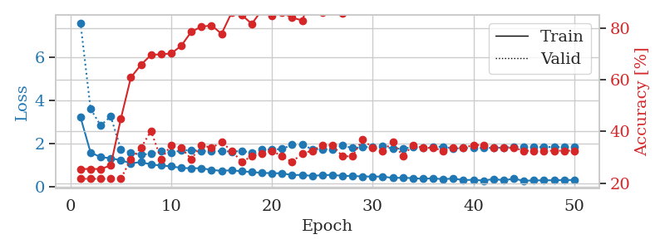
1.4646129038 | 1.7958715895 | 0.27989130435 | 0.21739130435 | 0.085763692856 | 27.989130435 | 21.739130435
1.3406241355 | 2.4044466537 | 0.26086956522 | 0.21739130435 | 0.086117267609 | 26.086956522 | 21.739130435
1.2929208279 | 1.8100342699 | 0.3777173913 | 0.21739130435 | 0.085653066635 | 37.77173913 | 21.739130435
1.2751076429 | 1.5600849701 | 0.45652173913 | 0.23913043478 | 0.085463285446 | 45.652173913 | 23.913043478
1.2049376731 | 1.3585924428 | 0.58695652174 | 0.40217391304 | 0.085530281067 | 58.695652174 | 40.217391304
1.1135364097 | 1.7881331755 | 0.45108695652 | 0.26086956522 | 0.086502075195 | 45.108695652 | 26.086956522
1.1205314372 | 1.370950533 | 0.66304347826 | 0.38043478261 | 0.08629488945 | 66.304347826 | 38.043478261
1.0352368407 | 1.3771266937 | 0.70652173913 | 0.36956521739 | 0.085891246796 | 70.652173913 | 36.956521739
0.9274826309 | 1.5396616563 | 0.66304347826 | 0.39130434783 | 0.086277723312 | 66.304347826 | 39.130434783
0.95026096572 | 1.4409305842 | 0.7527173913 | 0.36956521739 | 0.090171575546 | 75.27173913 | 36.956521739
0.8547778311 | 1.4790100481 | 0.75 | 0.39130434783 | 0.085524082184 | 75 | 39.130434783
0.86695045103 | 1.5205084915 | 0.76086956522 | 0.39130434783 | 0.085031747818 | 76.086956522 | 39.130434783
0.86748035317 | 1.5522491984 | 0.72282608696 | 0.39130434783 | 0.08534526825 | 72.282608696 | 39.130434783
0.7701534888 | 1.4820994968 | 0.78260869565 | 0.41304347826 | 0.084959506989 | 78.260869565 | 41.304347826
0.76408251861 | 1.4880799055 | 0.83967391304 | 0.42391304348 | 0.085289955139 | 83.967391304 | 42.391304348
0.73067519587 | 1.510631893 | 0.88858695652 | 0.40217391304 | 0.085364103317 | 88.858695652 | 40.217391304
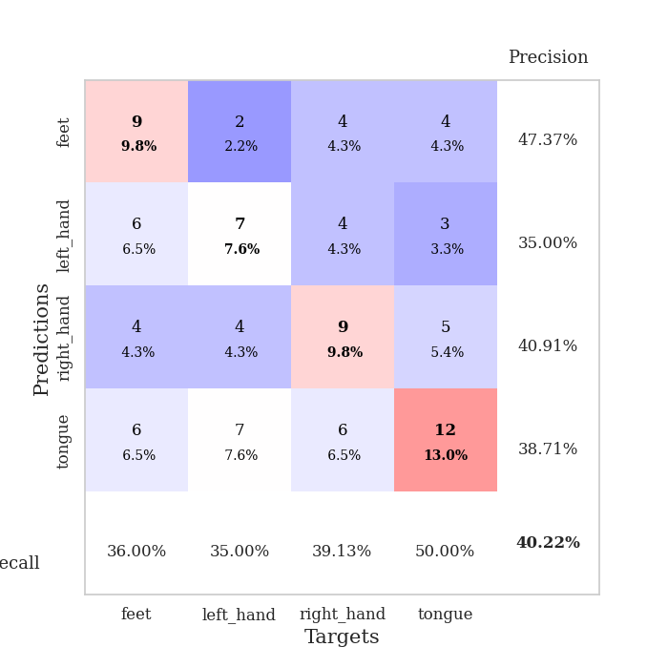
0.74496793099 | 1.5431694622 | 0.84782608696 | 0.39130434783 | 0.084624528885 | 84.782608696 | 39.130434783
0.68980935346 | 1.567402368 | 0.81793478261 | 0.3152173913 | 0.084941625595 | 81.793478261 | 31.52173913
0.71218574954 | 1.5403179552 | 0.86141304348 | 0.38043478261 | 0.084713935852 | 86.141304348 | 38.043478261
0.67903379254 | 1.5672439959 | 0.86956521739 | 0.38043478261 | 0.084881067276 | 86.956521739 | 38.043478261
0.57517247615 | 1.5601990586 | 0.89945652174 | 0.34782608696 | 0.084461450577 | 89.945652174 | 34.782608696
0.5812790951 | 1.5498496294 | 0.91032608696 | 0.36956521739 | 0.084717035294 | 91.032608696 | 36.956521739
0.55749591926 | 1.6188110683 | 0.89402173913 | 0.39130434783 | 0.0844810009 | 89.402173913 | 39.130434783
0.54506452965 | 1.5854690438 | 0.88586956522 | 0.39130434783 | 0.085513830185 | 88.586956522 | 39.130434783
0.5899181353 | 1.5203745106 | 0.91847826087 | 0.42391304348 | 0.084970235825 | 91.847826087 | 42.391304348
0.63592701243 | 1.5226958161 | 0.9402173913 | 0.40217391304 | 0.084787368774 | 94.02173913 | 40.217391304
0.58897619727 | 1.5169662185 | 0.89945652174 | 0.40217391304 | 0.085178613663 | 89.945652174 | 40.217391304
0.51783465821 | 1.4876233339 | 0.92119565217 | 0.42391304348 | 0.084196090698 | 92.119565217 | 42.391304348
0.46789346117 | 1.5392826744 | 0.95380434783 | 0.39130434783 | 0.08466053009 | 95.380434783 | 39.130434783
0.50947708928 | 1.5388028881 | 0.95652173913 | 0.39130434783 | 0.084984540939 | 95.652173913 | 39.130434783
0.53262682842 | 1.5293791087 | 0.95923913043 | 0.39130434783 | 0.084503173828 | 95.923913043 | 39.130434783
0.48380828681 | 1.5191335678 | 0.95923913043 | 0.42391304348 | 0.084353685379 | 95.923913043 | 42.391304348
0.4155682429 | 1.5157829834 | 0.94293478261 | 0.42391304348 | 0.084963321686 | 94.293478261 | 42.391304348
0.42768699579 | 1.5303500787 | 0.9375 | 0.39130434783 | 0.084773302078 | 93.75 | 39.130434783
0.45493570229 | 1.5386691664 | 0.95380434783 | 0.39130434783 | 0.084925889969 | 95.380434783 | 39.130434783
0.40491835481 | 1.5563568084 | 0.94836956522 | 0.39130434783 | 0.087182998657 | 94.836956522 | 39.130434783
0.44679509427 | 1.56647153 | 0.95108695652 | 0.39130434783 | 0.085891485214 | 95.108695652 | 39.130434783
0.43065915224 | 1.5726841636 | 0.9347826087 | 0.36956521739 | 0.086006879807 | 93.47826087 | 36.956521739
0.45998191056 | 1.5762762661 | 0.94293478261 | 0.40217391304 | 0.085413217545 | 94.293478261 | 40.217391304
0.42692813342 | 1.5679132887 | 0.95108695652 | 0.41304347826 | 0.085739135742 | 95.108695652 | 41.304347826
0.41837938389 | 1.5652661738 | 0.95380434783 | 0.40217391304 | 0.085760593414 | 95.380434783 | 40.217391304
0.39295861643 | 1.5697235595 | 0.95652173913 | 0.40217391304 | 0.085726261139 | 95.652173913 | 40.217391304
0.37316867126 | 1.5727658686 | 0.95652173913 | 0.41304347826 | 0.086907148361 | 95.652173913 | 41.304347826
0.36683617208 | 1.5762512425 | 0.96467391304 | 0.41304347826 | 0.085793733597 | 96.467391304 | 41.304347826
0.45428365404 | 1.5761886835 | 0.96739130435 | 0.41304347826 | 0.08606171608 | 96.739130435 | 41.304347826
0.42937568931 | 1.5769285897 | 0.96739130435 | 0.41304347826 | 0.08899140358 | 96.739130435 | 41.304347826
0.47137899762 | 1.5771491839 | 0.97010869565 | 0.40217391304 | 0.086634635925 | 97.010869565 | 40.217391304
0.36676403167 | 1.5776756173 | 0.97010869565 | 0.40217391304 | 0.086042165756 | 97.010869565 | 40.217391304

Best Val accuracy is 0.42391304347826086 and Best test accuracy is 0.3706896551724138

Sheet10
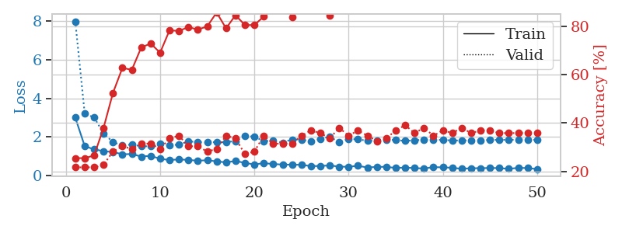
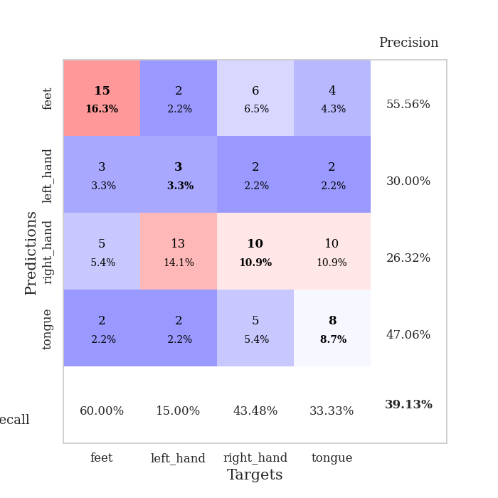
train_loss | valid_loss | train_accuracy | valid_accuracy | dur | train_misclass | valid_misclass
3.3588004268 | 8.4333395543 | 0.25 | 0.25 | 0.08525967598 | 25 | 25
1.7341283041 | 2.8019773131 | 0.26358695652 | 0.21739130435 | 0.083689689636 | 26.358695652 | 21.739130435
1.3866080771 | 3.347374999 | 0.25543478261 | 0.21739130435 | 0.085551261902 | 25.543478261 | 21.739130435
1.2858908902 | 2.6754491226 | 0.36684782609 | 0.21739130435 | 0.083650827408 | 36.684782609 | 21.739130435
1.2843090581 | 1.6639533302 | 0.52717391304 | 0.29347826087 | 0.083734512329 | 52.717391304 | 29.347826087
1.1893912528 | 1.5605089716 | 0.625 | 0.27173913043 | 0.08365893364 | 62.5 | 27.173913043
1.1843082309 | 1.5766204181 | 0.61413043478 | 0.26086956522 | 0.087281703949 | 61.413043478 | 26.086956522
1.1082470028 | 1.4606979152 | 0.58695652174 | 0.39130434783 | 0.083850622177 | 58.695652174 | 39.130434783
1.0768582821 | 1.4852707593 | 0.64673913043 | 0.39130434783 | 0.084478139877 | 64.673913043 | 39.130434783
1.0186178321 | 1.4741437487 | 0.63858695652 | 0.32608695652 | 0.084183692932 | 63.858695652 | 32.608695652
0.99414825958 | 1.4833329294 | 0.69565217391 | 0.3152173913 | 0.084287405014 | 69.565217391 | 31.52173913
0.92872210948 | 1.5644804343 | 0.66576086957 | 0.36956521739 | 0.084432840347 | 66.576086957 | 36.956521739
0.90786289391 | 1.6562841664 | 0.65217391304 | 0.3152173913 | 0.084784269333 | 65.217391304 | 31.52173913
0.89668161325 | 1.5068156667 | 0.72554347826 | 0.34782608696 | 0.084231853485 | 72.554347826 | 34.782608696
0.89387525942 | 1.6627048461 | 0.73369565217 | 0.33695652174 | 0.083951473236 | 73.369565217 | 33.695652174
0.84953558445 | 1.5202320814 | 0.7472826087 | 0.34782608696 | 0.083900213242 | 74.72826087 | 34.782608696
0.75425991416 | 1.5734440607 | 0.76086956522 | 0.33695652174 | 0.084073066711 | 76.086956522 | 33.695652174
0.83314766573 | 1.4960410491 | 0.86413043478 | 0.32608695652 | 0.084178447723 | 86.413043478 | 32.608695652
0.72988250204 | 1.5375876893 | 0.84239130435 | 0.35869565217 | 0.084953308105 | 84.239130435 | 35.869565217
0.72068368482 | 1.512165676 | 0.83423913043 | 0.36956521739 | 0.08407497406 | 83.423913043 | 36.956521739
0.77807295711 | 1.523971143 | 0.86684782609 | 0.38043478261 | 0.084077119827 | 86.684782609 | 38.043478261
0.71206386323 | 1.6339278169 | 0.90217391304 | 0.34782608696 | 0.086349248886 | 90.217391304 | 34.782608696
0.67768951862 | 1.713019936 | 0.88315217391 | 0.34782608696 | 0.083991765976 | 88.315217391 | 34.782608696
0.67771181205 | 1.6170486523 | 0.90760869565 | 0.40217391304 | 0.083884954453 | 90.760869565 | 40.217391304
0.58131911832 | 1.6359728367 | 0.88858695652 | 0.40217391304 | 0.087198019028 | 88.858695652 | 40.217391304
0.56864952134 | 1.6349692396 | 0.85326086957 | 0.36956521739 | 0.083986759186 | 85.326086957 | 36.956521739
0.58862070286 | 1.6499065731 | 0.8777173913 | 0.36956521739 | 0.084047079086 | 87.77173913 | 36.956521739
0.5660648035 | 1.6783363353 | 0.90760869565 | 0.33695652174 | 0.084381341934 | 90.760869565 | 33.695652174
0.53060518659 | 1.5735009857 | 0.9375 | 0.40217391304 | 0.084945678711 | 93.75 | 40.217391304
0.5383648082 | 1.6224155944 | 0.91304347826 | 0.35869565217 | 0.084411144257 | 91.304347826 | 35.869565217
0.49126170381 | 1.6573309225 | 0.91304347826 | 0.35869565217 | 0.084275722504 | 91.304347826 | 35.869565217
0.43272396015 | 1.6742220858 | 0.9347826087 | 0.42391304348 | 0.084254026413 | 93.47826087 | 42.391304348
0.51770784933 | 1.652262102 | 0.9402173913 | 0.35869565217 | 0.084563732147 | 94.02173913 | 35.869565217
0.42601397569 | 1.6791341512 | 0.91847826087 | 0.35869565217 | 0.084608793259 | 91.847826087 | 35.869565217
0.516985695 | 1.6364770298 | 0.9375 | 0.34782608696 | 0.083861351013 | 93.75 | 34.782608696
0.50124352587 | 1.6963310086 | 0.93206521739 | 0.35869565217 | 0.085665941238 | 93.206521739 | 35.869565217
0.42526125001 | 1.74749774 | 0.9347826087 | 0.36956521739 | 0.084176778793 | 93.47826087 | 36.956521739
0.42218690528 | 1.7151340194 | 0.9375 | 0.35869565217 | 0.088756084442 | 93.75 | 35.869565217
0.41901922679 | 1.6836115226 | 0.95380434783 | 0.35869565217 | 0.085034608841 | 95.380434783 | 35.869565217
0.41827667602 | 1.684381542 | 0.94293478261 | 0.35869565217 | 0.083975315094 | 94.293478261 | 35.869565217
0.41163302116 | 1.6849599299 | 0.94565217391 | 0.34782608696 | 0.083850860596 | 94.565217391 | 34.782608696
0.41478515514 | 1.700486064 | 0.9402173913 | 0.34782608696 | 0.08368563652 | 94.02173913 | 34.782608696
0.41202295798 | 1.688738201 | 0.95108695652 | 0.36956521739 | 0.084064483643 | 95.108695652 | 36.956521739
0.42997847821 | 1.692292115 | 0.95380434783 | 0.36956521739 | 0.083971977234 | 95.380434783 | 36.956521739
0.34269165928 | 1.6923436237 | 0.95380434783 | 0.38043478261 | 0.084161758423 | 95.380434783 | 38.043478261
0.40001468587 | 1.6895041207 | 0.96195652174 | 0.38043478261 | 0.083914041519 | 96.195652174 | 38.043478261
0.42643881168 | 1.6919955223 | 0.96467391304 | 0.38043478261 | 0.083939552307 | 96.467391304 | 38.043478261
0.4351044835 | 1.6912180807 | 0.96467391304 | 0.36956521739 | 0.084068775177 | 96.467391304 | 36.956521739
0.39968262872 | 1.6905615019 | 0.96467391304 | 0.36956521739 | 0.084008932114 | 96.467391304 | 36.956521739
0.37693100585 | 1.6909334193 | 0.96467391304 | 0.36956521739 | 0.083976745605 | 96.467391304 | 36.956521739

Best Val accuracy is 0.42391304347826086 and Best test accuracy is 0.3879310344827586
train_loss | valid_loss | train_accuracy | valid_accuracy | dur | train_misclass | valid_misclass
2.9965294548 | 7.9985935792 | 0.25543478261 | 0.21739130435 | 0.089689731598 | 25.543478261 | 21.739130435
1.5177454637 | 3.2080779179 | 0.25543478261 | 0.21739130435 | 0.086133241653 | 25.543478261 | 21.739130435
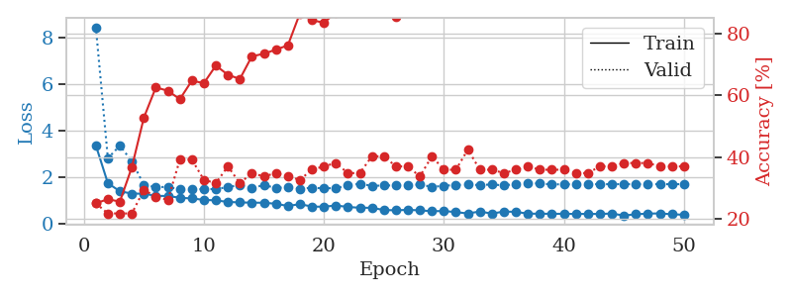
1.3482188271 | 3.0045859295 | 0.26630434783 | 0.21739130435 | 0.086179733276 | 26.630434783 | 21.739130435
1.2580787384 | 2.179579486 | 0.38043478261 | 0.22826086957 | 0.086215734482 | 38.043478261 | 22.826086957
1.2062001591 | 1.7239114875 | 0.52445652174 | 0.28260869565 | 0.086583614349 | 52.445652174 | 28.260869565
1.0974708174 | 1.5531974202 | 0.6277173913 | 0.30434782609 | 0.088275432587 | 62.77173913 | 30.434782609
1.1030897991 | 1.601382354 | 0.61956521739 | 0.29347826087 | 0.08610033989 | 61.956521739 | 29.347826087
0.97546482734 | 1.5051698477 | 0.71195652174 | 0.3152173913 | 0.085189580917 | 71.195652174 | 31.52173913
1.013142324 | 1.5128902819 | 0.72826086957 | 0.3152173913 | 0.086028337479 | 72.826086957 | 31.52173913
0.85751449025 | 1.6295193019 | 0.6902173913 | 0.29347826087 | 0.086102962494 | 69.02173913 | 29.347826087
0.79650238027 | 1.5555822331 | 0.78260869565 | 0.33695652174 | 0.086545944214 | 78.260869565 | 33.695652174
0.82621355938 | 1.5996846479 | 0.77989130435 | 0.34782608696 | 0.095311880112 | 77.989130435 | 34.782608696
0.80111251059 | 1.7601328103 | 0.79619565217 | 0.30434782609 | 0.087608098984 | 79.619565217 | 30.434782609
0.75683398091 | 1.7325464124 | 0.78532608696 | 0.30434782609 | 0.086614370346 | 78.532608696 | 30.434782609
0.78666692065 | 1.7079756104 | 0.79891304348 | 0.28260869565 | 0.08652973175 | 79.891304348 | 28.260869565
0.72383571449 | 1.7268147624 | 0.85597826087 | 0.29347826087 | 0.086696624756 | 85.597826087 | 29.347826087
0.67280330477 | 1.7183365822 | 0.79076086957 | 0.34782608696 | 0.088677883148 | 79.076086957 | 34.782608696
0.74549340813 | 1.7843116885 | 0.84510869565 | 0.33695652174 | 0.086506128311 | 84.510869565 | 33.695652174
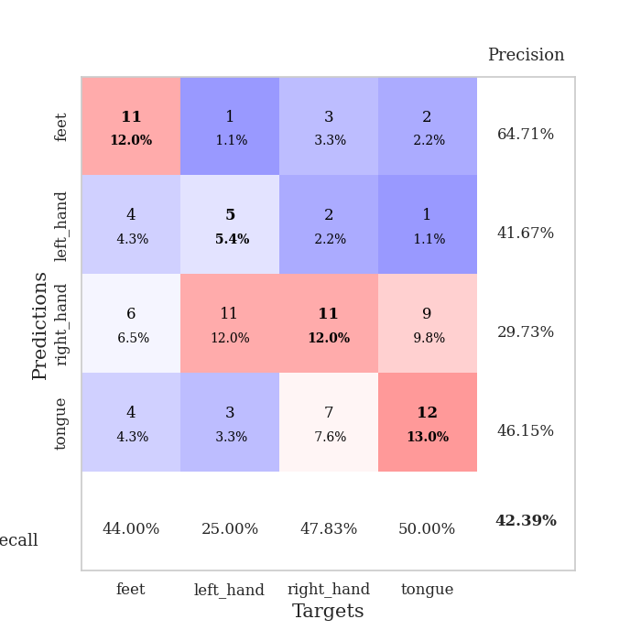
0.64516384187 | 2.03621926 | 0.80434782609 | 0.27173913043 | 0.086274623871 | 80.434782609 | 27.173913043
0.56597726889 | 2.010451633 | 0.80434782609 | 0.28260869565 | 0.085930347443 | 80.434782609 | 28.260869565
0.63366397956 | 1.7770471728 | 0.83967391304 | 0.34782608696 | 0.086257219315 | 83.967391304 | 34.782608696
0.58563492091 | 1.7980946043 | 0.86956521739 | 0.3152173913 | 0.086071252823 | 86.956521739 | 31.52173913
0.56058268119 | 1.7006971059 | 0.93206521739 | 0.3152173913 | 0.088446140289 | 93.206521739 | 31.52173913
0.55107110998 | 1.864374959 | 0.83695652174 | 0.3152173913 | 0.09234213829 | 83.695652174 | 31.52173913
0.54665530246 | 1.8446572242 | 0.88858695652 | 0.34782608696 | 0.087582349777 | 88.858695652 | 34.782608696
0.47816107066 | 1.7671968315 | 0.89945652174 | 0.36956521739 | 0.085835456848 | 89.945652174 | 36.956521739
0.48577763723 | 1.9056129559 | 0.89130434783 | 0.35869565217 | 0.085901498795 | 89.130434783 | 35.869565217
0.51496507616 | 1.9975508192 | 0.84510869565 | 0.33695652174 | 0.085549592972 | 84.510869565 | 33.695652174
0.45115306034 | 1.730151389 | 0.9347826087 | 0.38043478261 | 0.087307214737 | 93.47826087 | 38.043478261
0.44367703148 | 1.8870167421 | 0.93206521739 | 0.34782608696 | 0.086146116257 | 93.206521739 | 34.782608696
0.49586765857 | 1.8707024429 | 0.94293478261 | 0.36956521739 | 0.085891723633 | 94.293478261 | 36.956521739
0.4034255147 | 1.7937990064 | 0.96467391304 | 0.34782608696 | 0.086676120758 | 96.467391304 | 34.782608696
0.44082773509 | 1.7978275237 | 0.97010869565 | 0.32608695652 | 0.086316823959 | 97.010869565 | 32.608695652
0.4397958015 | 1.8650324241 | 0.95923913043 | 0.33695652174 | 0.086276054382 | 95.923913043 | 33.695652174
0.38355241068 | 1.8312167707 | 0.93206521739 | 0.36956521739 | 0.086747169495 | 93.206521739 | 36.956521739
0.40287573571 | 1.7857083808 | 0.95380434783 | 0.39130434783 | 0.086672067642 | 95.380434783 | 39.130434783
0.37544329464 | 1.8182516357 | 0.95108695652 | 0.35869565217 | 0.086810350418 | 95.108695652 | 35.869565217
0.35445766669 | 1.8514177177 | 0.95108695652 | 0.38043478261 | 0.086020469666 | 95.108695652 | 38.043478261
0.4243170781 | 1.8446553064 | 0.95923913043 | 0.34782608696 | 0.085946559906 | 95.923913043 | 34.782608696
0.41473174225 | 1.8385777992 | 0.96467391304 | 0.36956521739 | 0.086005449295 | 96.467391304 | 36.956521739
0.39252109631 | 1.8098626862 | 0.97010869565 | 0.35869565217 | 0.086841583252 | 97.010869565 | 35.869565217
0.33769803915 | 1.808683074 | 0.97010869565 | 0.38043478261 | 0.086041212082 | 97.010869565 | 38.043478261
0.37013184895 | 1.8156067288 | 0.97010869565 | 0.35869565217 | 0.086713790894 | 97.010869565 | 35.869565217
0.37018941343 | 1.8197226006 | 0.97010869565 | 0.36956521739 | 0.086316347122 | 97.010869565 | 36.956521739
0.3825504255 | 1.8373432056 | 0.97010869565 | 0.36956521739 | 0.086022615433 | 97.010869565 | 36.956521739
0.37478319912 | 1.8425574406 | 0.97010869565 | 0.35869565217 | 0.086561203003 | 97.010869565 | 35.869565217
0.33690361419 | 1.8443801403 | 0.97282608696 | 0.35869565217 | 0.086107969284 | 97.282608696 | 35.869565217
0.38861550844 | 1.844515106 | 0.97282608696 | 0.35869565217 | 0.086209058762 | 97.282608696 | 35.869565217
0.37661924375 | 1.8451879543 | 0.97282608696 | 0.35869565217 | 0.086550712585 | 97.282608696 | 35.869565217
0.32235749131 | 1.8454945917 | 0.97282608696 | 0.35869565217 | 0.086326360703 | 97.282608696 | 35.869565217

Best Val accuracy is 0.391304347826087 and Best test accuracy is 0.3706896551724138

