Sheet
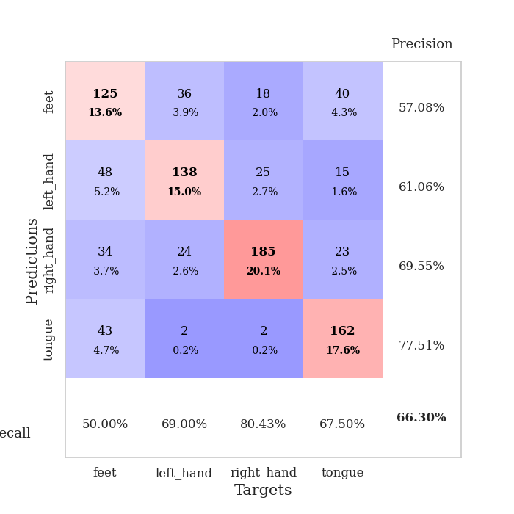
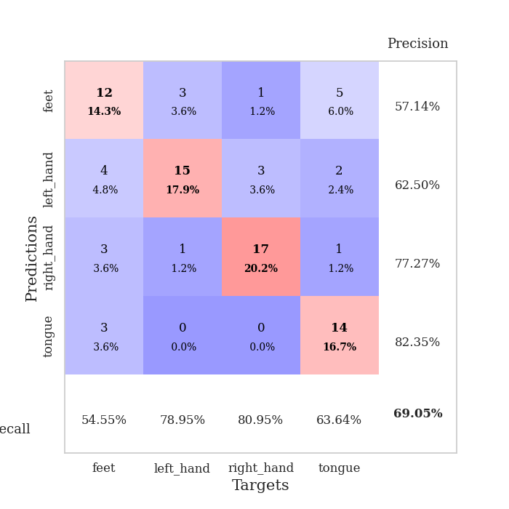
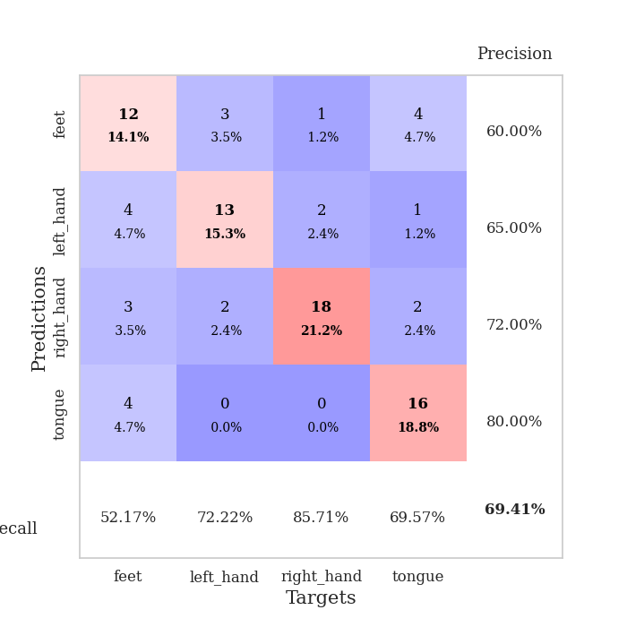
best_val_acc | best_val_los | best_test_acc
0.61956521739 | 1.0426054415 | 0.62068965517
0.57608695652 | 1.1112733406 | 0.43103448276
0.58695652174 | 1.2680637344 | 0.53448275862
0.71739130435 | 0.91505120889 | 0.70689655172
0.61956521739 | 0.90647131205 | 0.5775862069
0.60869565217 | 1.2099644516 | 0.49137931034
0.66304347826 | 1.0097570549 | 0.54310344828
0.71739130435 | 0.85357018528 | 0.66379310345
0.63043478261 | 1.0270253938 | 0.43965517241
0.73913043478 | 0.84374150634 | 0.56034482759

Mean,std Val accuracy is 0.6478260869565217 , 0.058242119702638005 and mean, std test accuracy is 0.5568965517241379 , 0.09006684149038958
best_val_acc | best_val_los | best_test_acc
0.73913043478 | 0.87158173064 | 0.6724137931
0.66304347826 | 0.89221144759 | 0.60344827586
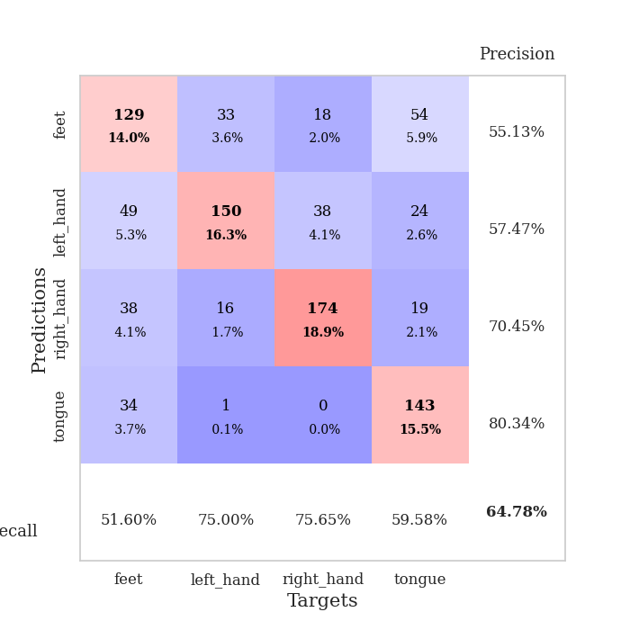
0.72826086957 | 0.81358556125 | 0.68103448276
0.67391304348 | 0.86720169886 | 0.56034482759
0.69565217391 | 0.89762925324 | 0.65517241379
0.61956521739 | 1.0189059066 | 0.52586206897
0.65217391304 | 0.94759781853 | 0.56034482759
0.59782608696 | 1.0155756888 | 0.49137931034
0.61956521739 | 0.9330527316 | 0.47413793103
0.64130434783 | 0.86732010997 | 0.5

Mean,std Val accuracy is 0.6630434782608695 , 0.046961889118897544 and mean, std test accuracy is 0.5724137931034483 , 0.07712720762929103

Sheet1
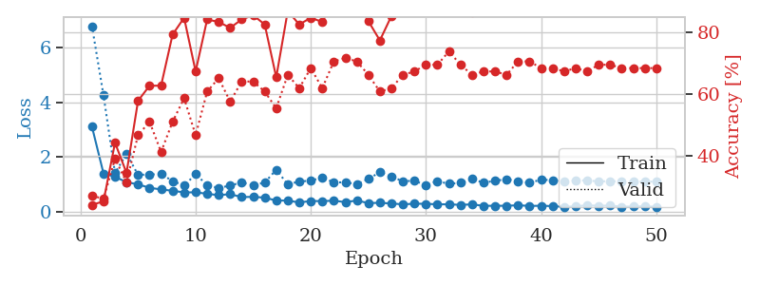
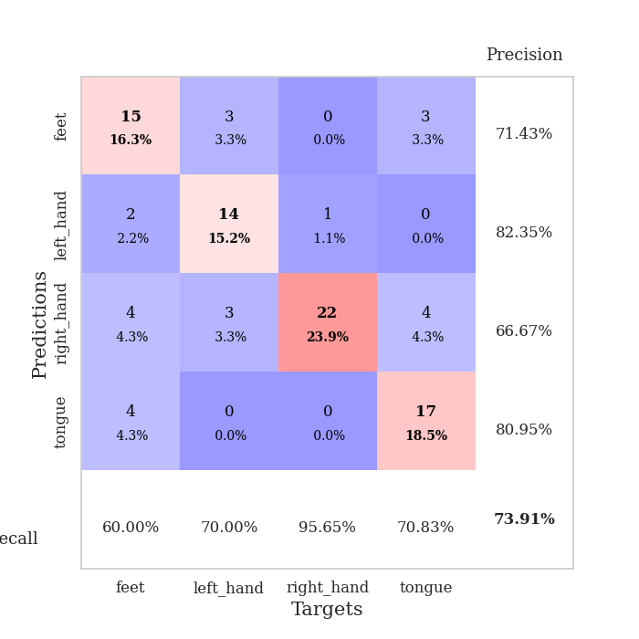
train_loss | valid_loss | train_accuracy | valid_accuracy | dur | train_misclass | valid_misclass
4.0535177252 | 6.4201837415 | 0.32880434783 | 0.30434782609 | 0.084043979645 | 32.880434783 | 30.434782609
1.4961747009 | 7.1675256024 | 0.28804347826 | 0.27173913043 | 0.086129188538 | 28.804347826 | 27.173913043
1.3100509073 | 3.914094531 | 0.33695652174 | 0.28260869565 | 0.084257602692 | 33.695652174 | 28.260869565
1.1392596079 | 2.8821363242 | 0.3777173913 | 0.3152173913 | 0.083797216415 | 37.77173913 | 31.52173913
1.0684198297 | 1.8927659988 | 0.49456521739 | 0.40217391304 | 0.083844184875 | 49.456521739 | 40.217391304
1.0091110338 | 1.5532380809 | 0.54076086957 | 0.39130434783 | 0.084282636642 | 54.076086957 | 39.130434783
0.92352727703 | 1.2775707193 | 0.65217391304 | 0.47826086957 | 0.083864927292 | 65.217391304 | 47.826086957
0.90659407947 | 1.1622733396 | 0.7472826087 | 0.44565217391 | 0.083894014359 | 74.72826087 | 44.565217391
0.83169302344 | 1.1727922326 | 0.69836956522 | 0.48913043478 | 0.084023952484 | 69.836956522 | 48.913043478
0.83022251077 | 1.5239318609 | 0.57880434783 | 0.39130434783 | 0.083948135376 | 57.880434783 | 39.130434783
0.78874557174 | 1.2215407776 | 0.72282608696 | 0.46739130435 | 0.083999633789 | 72.282608696 | 46.739130435
0.73849968288 | 1.2688012486 | 0.73097826087 | 0.45652173913 | 0.08415722847 | 73.097826087 | 45.652173913
0.7228013912 | 1.463015831 | 0.69565217391 | 0.46739130435 | 0.084227085114 | 69.565217391 | 46.739130435
0.60413247088 | 1.292622079 | 0.75 | 0.47826086957 | 0.08401632309 | 75 | 47.826086957
0.62458261329 | 1.4078090968 | 0.76086956522 | 0.40217391304 | 0.083697795868 | 76.086956522 | 40.217391304
0.5349552748 | 1.2314282137 | 0.8097826087 | 0.45652173913 | 0.085957050323 | 80.97826087 | 45.652173913
0.53556408442 | 1.5564339057 | 0.66847826087 | 0.44565217391 | 0.083804368973 | 66.847826087 | 44.565217391
0.50234339354 | 1.458936033 | 0.71195652174 | 0.44565217391 | 0.083888530731 | 71.195652174 | 44.565217391
0.48308187723 | 1.4430818506 | 0.70108695652 | 0.48913043478 | 0.083865642548 | 70.108695652 | 48.913043478
0.46841096101 | 1.3804712555 | 0.74184782609 | 0.46739130435 | 0.083594560623 | 74.184782609 | 46.739130435
0.4818834047 | 1.5938970265 | 0.70923913043 | 0.44565217391 | 0.084700345993 | 70.923913043 | 44.565217391
0.37992945249 | 1.2331223436 | 0.83695652174 | 0.51086956522 | 0.084114789963 | 83.695652174 | 51.086956522
0.37542257879 | 1.3701115432 | 0.78260869565 | 0.5 | 0.084319353104 | 78.260869565 | 50
0.4066110668 | 1.3510052018 | 0.79347826087 | 0.5 | 0.084239006042 | 79.347826087 | 50
0.34840508907 | 1.2873237081 | 0.86413043478 | 0.5 | 0.084260225296 | 86.413043478 | 50
0.3689026243 | 1.2134549773 | 0.8722826087 | 0.55434782609 | 0.083911657333 | 87.22826087 | 55.434782609
0.3302818472 | 1.1990367641 | 0.84782608696 | 0.53260869565 | 0.084215641022 | 84.782608696 | 53.260869565
0.27696401626 | 1.2628761945 | 0.89130434783 | 0.54347826087 | 0.084178924561 | 89.130434783 | 54.347826087
0.3022386422 | 1.2985243745 | 0.88043478261 | 0.53260869565 | 0.086191654205 | 88.043478261 | 53.260869565
0.31134885226 | 1.224411897 | 0.89945652174 | 0.52173913043 | 0.084007740021 | 89.945652174 | 52.173913043
0.33493438655 | 1.1196759732 | 0.94565217391 | 0.53260869565 | 0.084143161774 | 94.565217391 | 53.260869565
0.32195142559 | 1.2974840092 | 0.92934782609 | 0.52173913043 | 0.083853006363 | 92.934782609 | 52.173913043
0.21765651845 | 1.0426054415 | 0.97010869565 | 0.60869565217 | 0.08397269249 | 97.010869565 | 60.869565217
0.29925959039 | 1.1030922869 | 0.97554347826 | 0.57608695652 | 0.083745718002 | 97.554347826 | 57.608695652
0.25615098489 | 1.0549441084 | 0.96195652174 | 0.61956521739 | 0.083860635757 | 96.195652174 | 61.956521739
0.21644986518 | 1.0519410631 | 0.97010869565 | 0.61956521739 | 0.083752155304 | 97.010869565 | 61.956521739
0.25952607717 | 1.1310439162 | 0.96739130435 | 0.57608695652 | 0.083866596222 | 96.739130435 | 57.608695652
0.27304935099 | 1.1398096447 | 0.96739130435 | 0.55434782609 | 0.083962678909 | 96.739130435 | 55.434782609
0.23872352683 | 1.1266018567 | 0.97282608696 | 0.55434782609 | 0.084116458893 | 97.282608696 | 55.434782609
0.25489344675 | 1.1178963236 | 0.98097826087 | 0.58695652174 | 0.084012985229 | 98.097826087 | 58.695652174
0.1818015888 | 1.1310868522 | 0.98369565217 | 0.5652173913 | 0.083960294724 | 98.369565217 | 56.52173913
0.18917083416 | 1.1195834771 | 0.98369565217 | 0.55434782609 | 0.083827257156 | 98.369565217 | 55.434782609
0.29753731645 | 1.1037410912 | 0.98913043478 | 0.5652173913 | 0.083921194077 | 98.913043478 | 56.52173913
0.22334030675 | 1.0810951902 | 0.98369565217 | 0.57608695652 | 0.08394408226 | 98.369565217 | 57.608695652
0.21173210312 | 1.0710550106 | 0.98641304348 | 0.58695652174 | 0.083907604218 | 98.641304348 | 58.695652174
0.22152884013 | 1.0763349507 | 0.98641304348 | 0.58695652174 | 0.08403801918 | 98.641304348 | 58.695652174
0.18284756237 | 1.0805288735 | 0.98913043478 | 0.59782608696 | 0.085700035095 | 98.913043478 | 59.782608696
0.20695627805 | 1.0787409414 | 0.98913043478 | 0.59782608696 | 0.084477901459 | 98.913043478 | 59.782608696
0.19611433408 | 1.0775996861 | 0.98913043478 | 0.59782608696 | 0.083849906921 | 98.913043478 | 59.782608696
0.24372391662 | 1.0760938188 | 0.98913043478 | 0.59782608696 | 0.084539175034 | 98.913043478 | 59.782608696

Best Val accuracy is 0.6195652173913043 and Best test accuracy is 0.6206896551724138
train_loss | valid_loss | train_accuracy | valid_accuracy | dur | train_misclass | valid_misclass
3.1047912214 | 6.7678827825 | 0.24184782609 | 0.27173913043 | 0.088217973709 | 24.184782609 | 27.173913043
1.4069911086 | 4.2502081083 | 0.2527173913 | 0.26086956522 | 0.094799995422 | 25.27173913 | 26.086956522
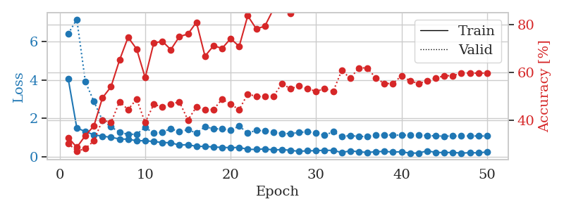
1.2811111911 | 1.4183617623 | 0.44293478261 | 0.39130434783 | 0.08880853653 | 44.293478261 | 39.130434783
1.088321748 | 2.1199712235 | 0.34510869565 | 0.3152173913 | 0.085003137589 | 34.510869565 | 31.52173913
1.00664449 | 1.353365328 | 0.57880434783 | 0.46739130435 | 0.085199117661 | 57.880434783 | 46.739130435
0.88306872741 | 1.3656274132 | 0.6277173913 | 0.51086956522 | 0.085262298584 | 62.77173913 | 51.086956522
0.82224040187 | 1.3833539279 | 0.6277173913 | 0.41304347826 | 0.085242509842 | 62.77173913 | 41.304347826
0.77463125276 | 1.1285032241 | 0.79347826087 | 0.51086956522 | 0.085022211075 | 79.347826087 | 51.086956522
0.71370253615 | 0.9622534358 | 0.84782608696 | 0.58695652174 | 0.085107564926 | 84.782608696 | 58.695652174
0.71726252333 | 1.3762495932 | 0.67391304348 | 0.46739130435 | 0.085359096527 | 67.391304348 | 46.739130435
0.66473318053 | 0.98233540421 | 0.84239130435 | 0.60869565217 | 0.085775136948 | 84.239130435 | 60.869565217
0.61301696041 | 0.87158173064 | 0.83423913043 | 0.65217391304 | 0.085477828979 | 83.423913043 | 65.217391304
0.65216675789 | 0.96808036255 | 0.8152173913 | 0.57608695652 | 0.087519407272 | 81.52173913 | 57.608695652
0.54286771494 | 1.073849704 | 0.84239130435 | 0.64130434783 | 0.084959745407 | 84.239130435 | 64.130434783
0.55399163391 | 0.97536087036 | 0.85597826087 | 0.64130434783 | 0.085484981537 | 85.597826087 | 64.130434783
0.5238272295 | 1.0715013872 | 0.82608695652 | 0.60869565217 | 0.084962129593 | 82.608695652 | 60.869565217
0.41882903809 | 1.5433774668 | 0.65489130435 | 0.55434782609 | 0.084993362427 | 65.489130435 | 55.434782609
0.41688989103 | 1.0038888895 | 0.86956521739 | 0.66304347826 | 0.085478305817 | 86.956521739 | 66.304347826
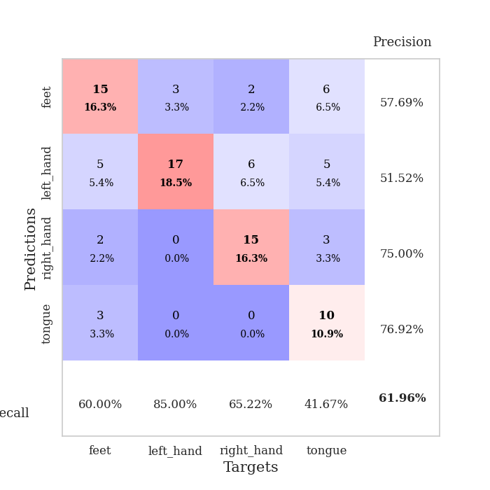
0.34801396663 | 1.1138911688 | 0.82608695652 | 0.61956521739 | 0.086641073227 | 82.608695652 | 61.956521739
0.40161816031 | 1.1388972972 | 0.84782608696 | 0.6847826087 | 0.084845066071 | 84.782608696 | 68.47826087
0.39788943723 | 1.2612686987 | 0.83423913043 | 0.61956521739 | 0.093986749649 | 83.423913043 | 61.956521739
0.41335503368 | 1.0750645347 | 0.90489130435 | 0.70652173913 | 0.089266300201 | 90.489130435 | 70.652173913
0.36108228338 | 1.0836745863 | 0.91304347826 | 0.71739130435 | 0.085546731949 | 91.304347826 | 71.739130435
0.41860744422 | 1.0151143877 | 0.90217391304 | 0.70652173913 | 0.085072278976 | 90.217391304 | 70.652173913
0.32549113877 | 1.2003879366 | 0.83695652174 | 0.66304347826 | 0.085635185242 | 83.695652174 | 66.304347826
0.33572186222 | 1.4535440362 | 0.77445652174 | 0.60869565217 | 0.085394144058 | 77.445652174 | 60.869565217
0.31118000137 | 1.2795570311 | 0.85326086957 | 0.61956521739 | 0.085506916046 | 85.326086957 | 61.956521739
0.28040831115 | 1.1284166082 | 0.91032608696 | 0.66304347826 | 0.085731267929 | 91.032608696 | 66.304347826
0.30265159743 | 1.1328577373 | 0.92663043478 | 0.67391304348 | 0.086423158646 | 92.663043478 | 67.391304348
0.29937470542 | 0.98364031574 | 0.96195652174 | 0.69565217391 | 0.085340023041 | 96.195652174 | 69.565217391
0.28062370549 | 1.1223690899 | 0.89402173913 | 0.69565217391 | 0.085474491119 | 89.402173913 | 69.565217391
0.28154034427 | 1.0285314503 | 0.94836956522 | 0.73913043478 | 0.085657119751 | 94.836956522 | 73.913043478
0.26005342149 | 1.0621544071 | 0.9375 | 0.69565217391 | 0.086245059967 | 93.75 | 69.565217391
0.27955608005 | 1.2003361764 | 0.86684782609 | 0.66304347826 | 0.085323572159 | 86.684782609 | 66.304347826
0.22487548512 | 1.0711664324 | 0.95108695652 | 0.67391304348 | 0.085643768311 | 95.108695652 | 67.391304348
0.2286092545 | 1.1346339143 | 0.91847826087 | 0.67391304348 | 0.085490942001 | 91.847826087 | 67.391304348
0.22753103191 | 1.198567577 | 0.8777173913 | 0.66304347826 | 0.087202787399 | 87.77173913 | 66.304347826
0.24617731166 | 1.1190333755 | 0.90489130435 | 0.70652173913 | 0.086026906967 | 90.489130435 | 70.652173913
0.22316832962 | 1.0645799093 | 0.9402173913 | 0.70652173913 | 0.085724592209 | 94.02173913 | 70.652173913
0.22818274278 | 1.1786447297 | 0.89402173913 | 0.6847826087 | 0.085845708847 | 89.402173913 | 68.47826087
0.21655413411 | 1.157404288 | 0.90217391304 | 0.6847826087 | 0.08543419838 | 90.217391304 | 68.47826087
0.18849350091 | 1.1088393253 | 0.91847826087 | 0.67391304348 | 0.085525274277 | 91.847826087 | 67.391304348
0.20717439136 | 1.147138536 | 0.90489130435 | 0.6847826087 | 0.085881233215 | 90.489130435 | 68.47826087
0.24685178082 | 1.1525810309 | 0.91032608696 | 0.67391304348 | 0.085900068283 | 91.032608696 | 67.391304348
0.2237398984 | 1.1132275151 | 0.92391304348 | 0.69565217391 | 0.086066246033 | 92.391304348 | 69.565217391
0.23796549083 | 1.1269710764 | 0.92119565217 | 0.69565217391 | 0.086084127426 | 92.119565217 | 69.565217391
0.19165733805 | 1.1122342504 | 0.92663043478 | 0.6847826087 | 0.085519790649 | 92.663043478 | 68.47826087
0.201934405 | 1.1094897389 | 0.92663043478 | 0.6847826087 | 0.085636615753 | 92.663043478 | 68.47826087
0.20618264053 | 1.1074051235 | 0.92934782609 | 0.6847826087 | 0.08585524559 | 92.934782609 | 68.47826087
0.19149269066 | 1.1071420934 | 0.92934782609 | 0.6847826087 | 0.086396455765 | 92.934782609 | 68.47826087

Best Val accuracy is 0.7391304347826086 and Best test accuracy is 0.6724137931034483

Sheet2
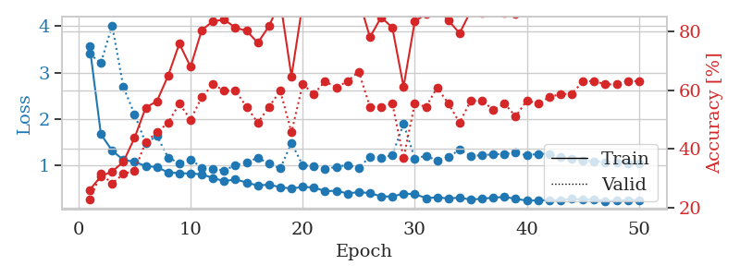
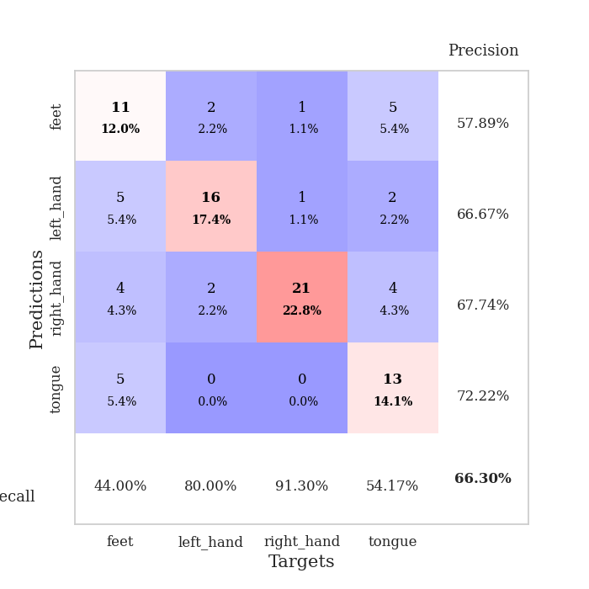
train_loss | valid_loss | train_accuracy | valid_accuracy | dur | train_misclass | valid_misclass
3.9286279523 | 6.2773446415 | 0.28260869565 | 0.26086956522 | 0.085906028748 | 28.260869565 | 26.086956522
1.4396774121 | 3.1267144576 | 0.34239130435 | 0.30434782609 | 0.085610389709 | 34.239130435 | 30.434782609
1.2291809657 | 2.129530264 | 0.42934782609 | 0.30434782609 | 0.083534240723 | 42.934782609 | 30.434782609
1.1135542911 | 1.4461304934 | 0.61413043478 | 0.47826086957 | 0.084667921066 | 61.413043478 | 47.826086957
0.96806462951 | 1.2632382123 | 0.71467391304 | 0.47826086957 | 0.08505487442 | 71.467391304 | 47.826086957
0.8876922312 | 1.2251497818 | 0.78804347826 | 0.47826086957 | 0.08380818367 | 78.804347826 | 47.826086957
0.81143438298 | 1.2735670287 | 0.73369565217 | 0.5 | 0.083805084229 | 73.369565217 | 50
0.83086913176 | 1.3419348934 | 0.78804347826 | 0.44565217391 | 0.08394241333 | 78.804347826 | 44.565217391
0.79109633487 | 1.4910423341 | 0.80434782609 | 0.42391304348 | 0.083922863007 | 80.434782609 | 42.391304348
0.75756012875 | 1.2348164398 | 0.83152173913 | 0.46739130435 | 0.083666563034 | 83.152173913 | 46.739130435
0.72150472973 | 1.2149829839 | 0.80706521739 | 0.51086956522 | 0.083705663681 | 80.706521739 | 51.086956522
0.70564856348 | 1.3432714602 | 0.73369565217 | 0.46739130435 | 0.083848237991 | 73.369565217 | 46.739130435
0.64404031116 | 1.1859874077 | 0.84782608696 | 0.48913043478 | 0.083834409714 | 84.782608696 | 48.913043478
0.6633213279 | 1.2032588124 | 0.85869565217 | 0.48913043478 | 0.083890676498 | 85.869565217 | 48.913043478
0.65980141707 | 1.2032874227 | 0.79347826087 | 0.53260869565 | 0.083760499954 | 79.347826087 | 53.260869565
0.67266702911 | 1.1420216327 | 0.84782608696 | 0.5 | 0.083826065063 | 84.782608696 | 50
0.56376718633 | 1.1840151341 | 0.89402173913 | 0.51086956522 | 0.083781719208 | 89.402173913 | 51.086956522
0.53559829878 | 1.2667953761 | 0.79076086957 | 0.5 | 0.083823204041 | 79.076086957 | 50
0.58057336704 | 1.2303555815 | 0.83423913043 | 0.53260869565 | 0.083738088608 | 83.423913043 | 53.260869565
0.55120969013 | 1.2898913777 | 0.92119565217 | 0.47826086957 | 0.084033489227 | 92.119565217 | 47.826086957
0.57287734682 | 1.2048957452 | 0.88315217391 | 0.48913043478 | 0.083462715149 | 88.315217391 | 48.913043478
0.45412435285 | 1.4140510689 | 0.78804347826 | 0.48913043478 | 0.083754301071 | 78.804347826 | 48.913043478
0.49695129887 | 1.3048232975 | 0.7527173913 | 0.51086956522 | 0.083741664886 | 75.27173913 | 51.086956522
0.45688597404 | 1.3876064679 | 0.91304347826 | 0.53260869565 | 0.083825111389 | 91.304347826 | 53.260869565
0.47977375272 | 1.2513597737 | 0.875 | 0.51086956522 | 0.084365367889 | 87.5 | 51.086956522
0.4890778447 | 1.207863152 | 0.8722826087 | 0.55434782609 | 0.083725214005 | 87.22826087 | 55.434782609
0.41031127844 | 1.2196856348 | 0.92119565217 | 0.55434782609 | 0.083595514297 | 92.119565217 | 55.434782609
0.41728163543 | 1.3810076092 | 0.82880434783 | 0.51086956522 | 0.083700656891 | 82.880434783 | 51.086956522
0.38328996625 | 1.2664483863 | 0.85869565217 | 0.53260869565 | 0.083743572235 | 85.869565217 | 53.260869565
0.40247883907 | 1.2655431991 | 0.88315217391 | 0.57608695652 | 0.085777282715 | 88.315217391 | 57.608695652
0.36937999563 | 1.1112733406 | 0.91847826087 | 0.55434782609 | 0.083883285522 | 91.847826087 | 55.434782609
0.37918883756 | 1.223165126 | 0.86956521739 | 0.55434782609 | 0.083764791489 | 86.956521739 | 55.434782609
0.36447975817 | 1.1560987701 | 0.92934782609 | 0.51086956522 | 0.083778858185 | 92.934782609 | 51.086956522
0.36372947434 | 1.2321277209 | 0.875 | 0.55434782609 | 0.083925247192 | 87.5 | 55.434782609
0.35351687605 | 1.1475755054 | 0.89402173913 | 0.52173913043 | 0.083892583847 | 89.402173913 | 52.173913043
0.33187434012 | 1.2296392581 | 0.84782608696 | 0.5652173913 | 0.083969116211 | 84.782608696 | 56.52173913
0.33937669254 | 1.1775558617 | 0.92119565217 | 0.5652173913 | 0.083962202072 | 92.119565217 | 56.52173913
0.31744793835 | 1.1787226407 | 0.86684782609 | 0.57608695652 | 0.083667755127 | 86.684782609 | 57.608695652
0.38492802952 | 1.2184821134 | 0.8777173913 | 0.55434782609 | 0.084033489227 | 87.77173913 | 55.434782609
0.30323430831 | 1.2237675682 | 0.91304347826 | 0.55434782609 | 0.084093332291 | 91.304347826 | 55.434782609
0.3155097333 | 1.2175889248 | 0.91576086957 | 0.55434782609 | 0.083936929703 | 91.576086957 | 55.434782609
0.33010934164 | 1.2168099543 | 0.90489130435 | 0.5652173913 | 0.084026098251 | 90.489130435 | 56.52173913
0.33707408542 | 1.2443434907 | 0.88858695652 | 0.53260869565 | 0.083908557892 | 88.858695652 | 53.260869565
0.33479667682 | 1.230527388 | 0.92663043478 | 0.55434782609 | 0.08406662941 | 92.663043478 | 55.434782609
0.26433454503 | 1.2251357022 | 0.92934782609 | 0.55434782609 | 0.083870410919 | 92.934782609 | 55.434782609
0.2827161638 | 1.2117867781 | 0.93206521739 | 0.55434782609 | 0.083955287933 | 93.206521739 | 55.434782609
0.27066670099 | 1.204616119 | 0.9347826087 | 0.55434782609 | 0.083876132965 | 93.47826087 | 55.434782609
0.29667641352 | 1.1995191652 | 0.9347826087 | 0.55434782609 | 0.083838939667 | 93.47826087 | 55.434782609
0.2741936983 | 1.19720941 | 0.9347826087 | 0.55434782609 | 0.084081411362 | 93.47826087 | 55.434782609
0.30065353474 | 1.1950793551 | 0.9347826087 | 0.55434782609 | 0.084159374237 | 93.47826087 | 55.434782609

Best Val accuracy is 0.5760869565217391 and Best test accuracy is 0.43103448275862066
train_loss | valid_loss | train_accuracy | valid_accuracy | dur | train_misclass | valid_misclass
3.5661512924 | 3.3992928111 | 0.26086956522 | 0.22826086957 | 0.091466903687 | 26.086956522 | 22.826086957
1.6745939929 | 3.2064457043 | 0.30706521739 | 0.3152173913 | 0.08545088768 | 30.706521739 | 31.52173913
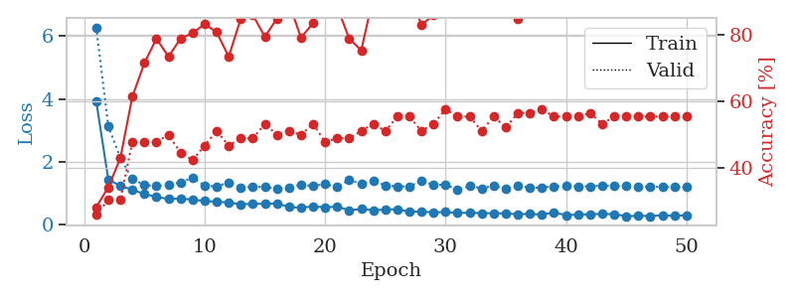
1.3222987626 | 4.0145769119 | 0.32336956522 | 0.28260869565 | 0.085301876068 | 32.336956522 | 28.260869565
1.1241688184 | 2.6954444284 | 0.35597826087 | 0.3152173913 | 0.089354276657 | 35.597826087 | 31.52173913
1.0788371304 | 2.1037099361 | 0.4375 | 0.32608695652 | 0.087362766266 | 43.75 | 32.608695652
0.99140308473 | 1.4839479405 | 0.54076086957 | 0.42391304348 | 0.085478305817 | 54.076086957 | 42.391304348
0.96556802159 | 1.6371609957 | 0.5625 | 0.45652173913 | 0.085453987122 | 56.25 | 45.652173913
0.85484829545 | 1.1740657402 | 0.64945652174 | 0.48913043478 | 0.08590555191 | 64.945652174 | 48.913043478
0.83500378547 | 1.0505609098 | 0.75815217391 | 0.55434782609 | 0.095476150513 | 75.815217391 | 55.434782609
0.82901934178 | 1.1345260454 | 0.67934782609 | 0.5 | 0.089113473892 | 67.934782609 | 50
0.81199309359 | 0.95433877862 | 0.80434782609 | 0.57608695652 | 0.099232673645 | 80.434782609 | 57.608695652
0.73438126497 | 0.93365827851 | 0.83423913043 | 0.61956521739 | 0.085490226746 | 83.423913043 | 61.956521739
0.6639780454 | 0.89221144759 | 0.83967391304 | 0.59782608696 | 0.084846019745 | 83.967391304 | 59.782608696
0.70494616809 | 1.0136579249 | 0.8125 | 0.59782608696 | 0.085211753845 | 81.25 | 59.782608696
0.63371452171 | 1.0626300211 | 0.80163043478 | 0.54347826087 | 0.085103273392 | 80.163043478 | 54.347826087
0.57139163043 | 1.169138955 | 0.76086956522 | 0.48913043478 | 0.084654331207 | 76.086956522 | 48.913043478
0.59148104618 | 1.0387705072 | 0.81793478261 | 0.54347826087 | 0.085026502609 | 81.793478261 | 54.347826087
0.53415899627 | 0.94007208814 | 0.90217391304 | 0.59782608696 | 0.084631443024 | 90.217391304 | 59.782608696
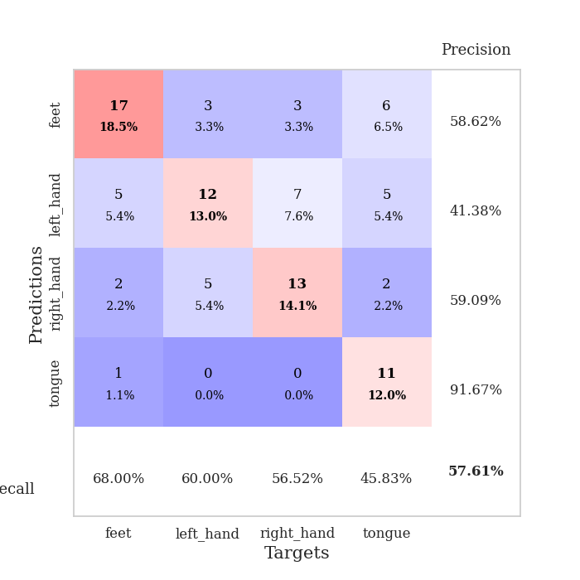
0.50702664515 | 1.4869508173 | 0.64673913043 | 0.45652173913 | 0.085330724716 | 64.673913043 | 45.652173913
0.54057728726 | 1.0082057766 | 0.89402173913 | 0.61956521739 | 0.08539557457 | 89.402173913 | 61.956521739
0.5295997573 | 0.98332230164 | 0.88586956522 | 0.58695652174 | 0.084735155106 | 88.586956522 | 58.695652174
0.44940492122 | 0.92518612354 | 0.89130434783 | 0.63043478261 | 0.084951162338 | 89.130434783 | 63.043478261
0.45804074277 | 0.97218005813 | 0.91032608696 | 0.60869565217 | 0.085912466049 | 91.032608696 | 60.869565217
0.40007460506 | 1.0125141351 | 0.89130434783 | 0.63043478261 | 0.088116645813 | 89.130434783 | 63.043478261
0.42987231133 | 0.95279507274 | 0.91032608696 | 0.66304347826 | 0.091599464417 | 91.032608696 | 66.304347826
0.40896602299 | 1.1872713773 | 0.77989130435 | 0.54347826087 | 0.085071086884 | 77.989130435 | 54.347826087
0.33584489835 | 1.1708401623 | 0.84782608696 | 0.54347826087 | 0.085646629333 | 84.782608696 | 54.347826087
0.33600437155 | 1.2242862764 | 0.8125 | 0.55434782609 | 0.085169792175 | 81.25 | 55.434782609
0.39704951288 | 1.9036845072 | 0.61141304348 | 0.36956521739 | 0.085890054703 | 61.141304348 | 36.956521739
0.38656768008 | 1.1518749258 | 0.83423913043 | 0.55434782609 | 0.085763692856 | 83.423913043 | 55.434782609
0.30114938967 | 1.2111432682 | 0.85869565217 | 0.54347826087 | 0.085016727448 | 85.869565217 | 54.347826087
0.31620780281 | 1.1069538619 | 0.8777173913 | 0.60869565217 | 0.08508849144 | 87.77173913 | 60.869565217
0.29367256165 | 1.188560434 | 0.83695652174 | 0.55434782609 | 0.085614204407 | 83.695652174 | 55.434782609
0.3104169291 | 1.3382328697 | 0.79347826087 | 0.48913043478 | 0.084964752197 | 79.347826087 | 48.913043478
0.26676202468 | 1.2064613829 | 0.86956521739 | 0.5652173913 | 0.085531711578 | 86.956521739 | 56.52173913
0.28930817739 | 1.2222190655 | 0.86141304348 | 0.5652173913 | 0.085572957993 | 86.141304348 | 56.52173913
0.30908024797 | 1.2430485902 | 0.8722826087 | 0.53260869565 | 0.085403203964 | 87.22826087 | 53.260869565
0.32659551922 | 1.2504614799 | 0.86141304348 | 0.55434782609 | 0.085340261459 | 86.141304348 | 55.434782609
0.28449410978 | 1.2749356498 | 0.85869565217 | 0.51086956522 | 0.085343122482 | 85.869565217 | 51.086956522
0.24680869573 | 1.2182749873 | 0.8777173913 | 0.5652173913 | 0.086399316788 | 87.77173913 | 56.52173913
0.25006679834 | 1.2543906077 | 0.8777173913 | 0.55434782609 | 0.085297584534 | 87.77173913 | 55.434782609
0.25962404162 | 1.2478648839 | 0.88043478261 | 0.57608695652 | 0.085327148438 | 88.043478261 | 57.608695652
0.25146240838 | 1.1781238939 | 0.88858695652 | 0.58695652174 | 0.085776805878 | 88.858695652 | 58.695652174
0.28824869932 | 1.1451050199 | 0.89945652174 | 0.58695652174 | 0.086933374405 | 89.945652174 | 58.695652174
0.26402929749 | 1.1005906566 | 0.91032608696 | 0.63043478261 | 0.085248947144 | 91.032608696 | 63.043478261
0.27645959835 | 1.0937707346 | 0.91304347826 | 0.63043478261 | 0.085564374924 | 91.304347826 | 63.043478261
0.23709669839 | 1.0737655888 | 0.91847826087 | 0.61956521739 | 0.085112571716 | 91.847826087 | 61.956521739
0.2428633914 | 1.0622264406 | 0.92391304348 | 0.61956521739 | 0.08530497551 | 92.391304348 | 61.956521739
0.25539230604 | 1.0531214864 | 0.92934782609 | 0.63043478261 | 0.085789203644 | 92.934782609 | 63.043478261
0.25964478258 | 1.0446952452 | 0.92934782609 | 0.63043478261 | 0.085422277451 | 92.934782609 | 63.043478261

Best Val accuracy is 0.6630434782608695 and Best test accuracy is 0.603448275862069

Sheet3
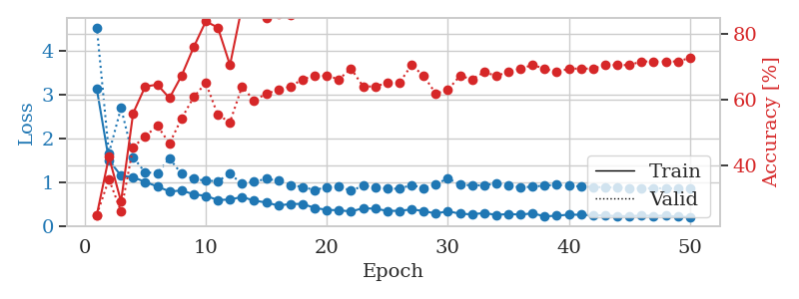
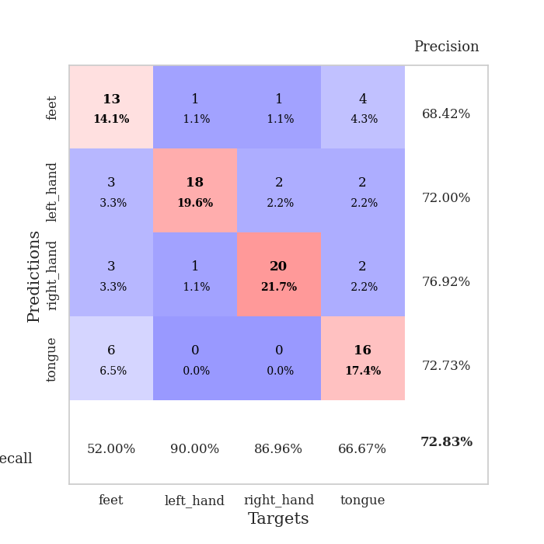
train_loss | valid_loss | train_accuracy | valid_accuracy | dur | train_misclass | valid_misclass
3.8184564839 | 5.7659417857 | 0.2527173913 | 0.26086956522 | 0.08535194397 | 25.27173913 | 26.086956522
1.580183646 | 3.8706148604 | 0.25543478261 | 0.26086956522 | 0.084292650223 | 25.543478261 | 26.086956522
1.291858642 | 2.3974770463 | 0.35597826087 | 0.27173913043 | 0.084246635437 | 35.597826087 | 27.173913043
1.1094674442 | 2.4972973803 | 0.3097826087 | 0.28260869565 | 0.083920717239 | 30.97826087 | 28.260869565
1.0380974723 | 1.9798133632 | 0.46739130435 | 0.34782608696 | 0.084302425385 | 46.739130435 | 34.782608696
1.0292362804 | 1.5516833482 | 0.64130434783 | 0.38043478261 | 0.084037065506 | 64.130434783 | 38.043478261
0.85186637225 | 1.5276071455 | 0.69293478261 | 0.41304347826 | 0.084054470062 | 69.293478261 | 41.304347826
0.89660175209 | 1.4598478286 | 0.73913043478 | 0.44565217391 | 0.083862066269 | 73.913043478 | 44.565217391
0.87634972774 | 1.7052441524 | 0.71739130435 | 0.30434782609 | 0.08368229866 | 71.739130435 | 30.434782609
0.76823583764 | 1.5465621482 | 0.73913043478 | 0.38043478261 | 0.084019899368 | 73.913043478 | 38.043478261
0.73930937052 | 1.492836465 | 0.80706521739 | 0.42391304348 | 0.083853244781 | 80.706521739 | 42.391304348
0.75394496322 | 1.5883078212 | 0.75815217391 | 0.4347826087 | 0.08382153511 | 75.815217391 | 43.47826087
0.72151195485 | 1.5415510872 | 0.81793478261 | 0.46739130435 | 0.083745241165 | 81.793478261 | 46.739130435
0.68950295319 | 1.7949342728 | 0.69836956522 | 0.39130434783 | 0.084407806396 | 69.836956522 | 39.130434783
0.64992201717 | 1.6088401908 | 0.81793478261 | 0.47826086957 | 0.084271192551 | 81.793478261 | 47.826086957
0.65854915847 | 1.5325110581 | 0.77173913043 | 0.42391304348 | 0.08388710022 | 77.173913043 | 42.391304348
0.67746156843 | 1.6453321706 | 0.80434782609 | 0.42391304348 | 0.083760976791 | 80.434782609 | 42.391304348
0.53216801065 | 1.4739678735 | 0.80706521739 | 0.42391304348 | 0.083878993988 | 80.706521739 | 42.391304348
0.5371579476 | 1.5026043135 | 0.79347826087 | 0.44565217391 | 0.083698511124 | 79.347826087 | 44.565217391
0.50323939971 | 1.5565582306 | 0.85869565217 | 0.44565217391 | 0.085651874542 | 85.869565217 | 44.565217391
0.53974362884 | 1.4966689245 | 0.83152173913 | 0.48913043478 | 0.08415555954 | 83.152173913 | 48.913043478
0.47067095469 | 1.4517560783 | 0.89673913043 | 0.47826086957 | 0.083991527557 | 89.673913043 | 47.826086957
0.45041922707 | 1.5188032441 | 0.83423913043 | 0.5 | 0.083772659302 | 83.423913043 | 50
0.43861740309 | 1.4944357431 | 0.79347826087 | 0.5652173913 | 0.084222555161 | 79.347826087 | 56.52173913
0.39233531965 | 1.4541349696 | 0.88858695652 | 0.5 | 0.084180593491 | 88.858695652 | 50
0.35618131511 | 1.5803275989 | 0.80163043478 | 0.51086956522 | 0.083827257156 | 80.163043478 | 51.086956522
0.34027609618 | 1.4728020196 | 0.80706521739 | 0.5652173913 | 0.084049463272 | 80.706521739 | 56.52173913
0.37863699574 | 1.4806754304 | 0.85869565217 | 0.52173913043 | 0.083965063095 | 85.869565217 | 52.173913043
0.35700484365 | 1.3511941433 | 0.91576086957 | 0.51086956522 | 0.083931446075 | 91.576086957 | 51.086956522
0.35744433818 | 1.395591443 | 0.89402173913 | 0.5652173913 | 0.083841562271 | 89.402173913 | 56.52173913
0.30860841307 | 1.4135321431 | 0.91576086957 | 0.52173913043 | 0.083768367767 | 91.576086957 | 52.173913043
0.30766678634 | 1.3614327674 | 0.91576086957 | 0.5652173913 | 0.083820581436 | 91.576086957 | 56.52173913
0.3678634847 | 1.4498840622 | 0.84782608696 | 0.5652173913 | 0.083886623383 | 84.782608696 | 56.52173913
0.31222591549 | 1.3518031162 | 0.89945652174 | 0.5652173913 | 0.083868741989 | 89.945652174 | 56.52173913
0.34294734118 | 1.3142302321 | 0.9402173913 | 0.58695652174 | 0.083740472794 | 94.02173913 | 58.695652174
0.30303197662 | 1.3242338818 | 0.93206521739 | 0.57608695652 | 0.084285974503 | 93.206521739 | 57.608695652
0.25462009466 | 1.3327946222 | 0.91847826087 | 0.58695652174 | 0.083919048309 | 91.847826087 | 58.695652174
0.27385386031 | 1.2967292563 | 0.94293478261 | 0.57608695652 | 0.083903312683 | 94.293478261 | 57.608695652
0.25829216741 | 1.3391028513 | 0.9402173913 | 0.58695652174 | 0.083825588226 | 94.02173913 | 58.695652174
0.30480682299 | 1.3012062389 | 0.9402173913 | 0.57608695652 | 0.083861351013 | 94.02173913 | 57.608695652
0.26964459827 | 1.2869465766 | 0.94836956522 | 0.5652173913 | 0.083863973618 | 94.836956522 | 56.52173913
0.27066957951 | 1.2715697081 | 0.96195652174 | 0.57608695652 | 0.083788633347 | 96.195652174 | 57.608695652
0.27112694247 | 1.2680637344 | 0.95923913043 | 0.58695652174 | 0.083802938461 | 95.923913043 | 58.695652174
0.27781201348 | 1.273752977 | 0.96195652174 | 0.58695652174 | 0.08359336853 | 96.195652174 | 58.695652174
0.23981831093 | 1.2882834414 | 0.95923913043 | 0.57608695652 | 0.083631515503 | 95.923913043 | 57.608695652
0.25655292541 | 1.2860231892 | 0.96195652174 | 0.57608695652 | 0.083864450455 | 96.195652174 | 57.608695652
0.23067822307 | 1.28293132 | 0.96467391304 | 0.57608695652 | 0.084213733673 | 96.467391304 | 57.608695652
0.24088288989 | 1.2820971323 | 0.96739130435 | 0.57608695652 | 0.08375120163 | 96.739130435 | 57.608695652
0.22793780948 | 1.2809011599 | 0.96739130435 | 0.57608695652 | 0.084016084671 | 96.739130435 | 57.608695652
0.21826929777 | 1.2793432759 | 0.96739130435 | 0.57608695652 | 0.083889484406 | 96.739130435 | 57.608695652

Best Val accuracy is 0.5869565217391305 and Best test accuracy is 0.5344827586206896
train_loss | valid_loss | train_accuracy | valid_accuracy | dur | train_misclass | valid_misclass
3.1210227168 | 4.5227949516 | 0.25 | 0.25 | 0.090965509415 | 25 | 25
1.5050657003 | 1.6618606474 | 0.42663043478 | 0.35869565217 | 0.086551189423 | 42.663043478 | 35.869565217
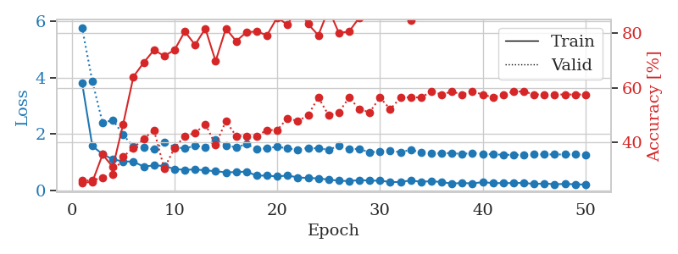
1.151317415 | 2.6949780817 | 0.29076086957 | 0.26086956522 | 0.084755659103 | 29.076086957 | 26.086956522
1.1198022495 | 1.5715658095 | 0.5597826087 | 0.45652173913 | 0.084757566452 | 55.97826087 | 45.652173913
1.0100535258 | 1.2262865823 | 0.64130434783 | 0.48913043478 | 0.085034608841 | 64.130434783 | 48.913043478
0.90873296624 | 1.2146034915 | 0.64673913043 | 0.52173913043 | 0.084634542465 | 64.673913043 | 52.173913043
0.79517739493 | 1.5424299447 | 0.60597826087 | 0.46739130435 | 0.084772348404 | 60.597826087 | 46.739130435
0.81533331975 | 1.1939515912 | 0.67391304348 | 0.54347826087 | 0.084688663483 | 67.391304348 | 54.347826087
0.73194204595 | 1.0819548109 | 0.76086956522 | 0.60869565217 | 0.087812423706 | 76.086956522 | 60.869565217
0.69341956144 | 1.0379174378 | 0.83967391304 | 0.65217391304 | 0.084615707397 | 83.967391304 | 65.217391304
0.6012614026 | 1.0308063652 | 0.82065217391 | 0.55434782609 | 0.08615398407 | 82.065217391 | 55.434782609
0.61025342475 | 1.1966998862 | 0.70652173913 | 0.53260869565 | 0.084769964218 | 70.652173913 | 53.260869565
0.67155522238 | 0.96749789041 | 0.88586956522 | 0.64130434783 | 0.085367918015 | 88.586956522 | 64.130434783
0.58421063294 | 1.0171547688 | 0.88858695652 | 0.59782608696 | 0.085074663162 | 88.858695652 | 59.782608696
0.54557726046 | 1.080117166 | 0.85054347826 | 0.61956521739 | 0.084644556046 | 85.054347826 | 61.956521739
0.47237809391 | 1.0400722986 | 0.86141304348 | 0.63043478261 | 0.084646463394 | 86.141304348 | 63.043478261
0.51253497601 | 0.94098029707 | 0.85869565217 | 0.64130434783 | 0.084763765335 | 85.869565217 | 64.130434783
0.51007608033 | 0.89663853853 | 0.88858695652 | 0.66304347826 | 0.084607362747 | 88.858695652 | 66.304347826
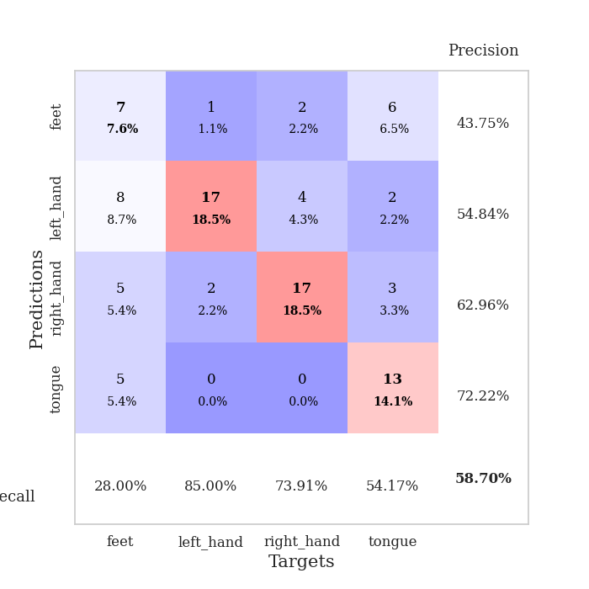
0.42141553371 | 0.8257883528 | 0.90760869565 | 0.67391304348 | 0.085173130035 | 90.760869565 | 67.391304348
0.37628493879 | 0.89466022668 | 0.91032608696 | 0.67391304348 | 0.084995746613 | 91.032608696 | 67.391304348
0.36824091913 | 0.90270642612 | 0.91304347826 | 0.66304347826 | 0.084329366684 | 91.304347826 | 66.304347826
0.33968174587 | 0.81358556125 | 0.95923913043 | 0.69565217391 | 0.084752082825 | 95.923913043 | 69.565217391
0.41430888811 | 0.92233621556 | 0.89673913043 | 0.64130434783 | 0.084895133972 | 89.673913043 | 64.130434783
0.40166081585 | 0.88854853744 | 0.90489130435 | 0.64130434783 | 0.084789276123 | 90.489130435 | 64.130434783
0.35465750422 | 0.86135206793 | 0.9347826087 | 0.65217391304 | 0.085068702698 | 93.47826087 | 65.217391304
0.35332648067 | 0.85555575982 | 0.95652173913 | 0.65217391304 | 0.085091114044 | 95.652173913 | 65.217391304
0.38764467965 | 0.94164103788 | 0.90489130435 | 0.70652173913 | 0.084604024887 | 90.489130435 | 70.652173913
0.35071524589 | 0.87143663479 | 0.9375 | 0.67391304348 | 0.084757089615 | 93.75 | 67.391304348
0.29260670442 | 0.9540960711 | 0.91032608696 | 0.61956521739 | 0.085055589676 | 91.032608696 | 61.956521739
0.34606647103 | 1.095567584 | 0.86956521739 | 0.63043478261 | 0.084407806396 | 86.956521739 | 63.043478261
0.28882650707 | 0.94684969342 | 0.94293478261 | 0.67391304348 | 0.085027933121 | 94.293478261 | 67.391304348
0.27405581526 | 0.93563555116 | 0.92391304348 | 0.66304347826 | 0.092129707336 | 92.391304348 | 66.304347826
0.30630982376 | 0.93371956245 | 0.92119565217 | 0.6847826087 | 0.090228319168 | 92.119565217 | 68.47826087
0.2604370846 | 0.97726516102 | 0.8777173913 | 0.67391304348 | 0.084534406662 | 87.77173913 | 67.391304348
0.28369498593 | 0.92769134822 | 0.89673913043 | 0.6847826087 | 0.085589885712 | 89.673913043 | 68.47826087
0.26832683222 | 0.88694964544 | 0.9402173913 | 0.69565217391 | 0.084671735764 | 94.02173913 | 69.565217391
0.29743367952 | 0.90278776832 | 0.93206521739 | 0.70652173913 | 0.084681034088 | 93.206521739 | 70.652173913
0.22862590072 | 0.93069622568 | 0.92663043478 | 0.69565217391 | 0.084713697433 | 92.663043478 | 69.565217391
0.24347266296 | 0.94453609249 | 0.89673913043 | 0.6847826087 | 0.084803342819 | 89.673913043 | 68.47826087
0.2680987361 | 0.92953182303 | 0.90760869565 | 0.69565217391 | 0.084812402725 | 90.760869565 | 69.565217391
0.26477314694 | 0.90709326837 | 0.91847826087 | 0.69565217391 | 0.084871053696 | 91.847826087 | 69.565217391
0.2518711644 | 0.89569312334 | 0.93206521739 | 0.69565217391 | 0.08483672142 | 93.206521739 | 69.565217391
0.25026047894 | 0.8895144022 | 0.9402173913 | 0.70652173913 | 0.08536028862 | 94.02173913 | 70.652173913
0.23197267982 | 0.88384162084 | 0.9402173913 | 0.70652173913 | 0.08492231369 | 94.02173913 | 70.652173913
0.23405389115 | 0.87581127882 | 0.95108695652 | 0.70652173913 | 0.084808588028 | 95.108695652 | 70.652173913
0.24452886666 | 0.8679108516 | 0.95380434783 | 0.71739130435 | 0.087067365646 | 95.380434783 | 71.739130435
0.24078669804 | 0.86739967439 | 0.95380434783 | 0.71739130435 | 0.0872194767 | 95.380434783 | 71.739130435
0.24292500414 | 0.8661370718 | 0.95652173913 | 0.71739130435 | 0.084835290909 | 95.652173913 | 71.739130435
0.22181138769 | 0.86434877696 | 0.95652173913 | 0.71739130435 | 0.084972858429 | 95.652173913 | 71.739130435
0.21387661913 | 0.86257052422 | 0.95652173913 | 0.72826086957 | 0.084955453873 | 95.652173913 | 72.826086957

Best Val accuracy is 0.7282608695652174 and Best test accuracy is 0.6810344827586207

Sheet4
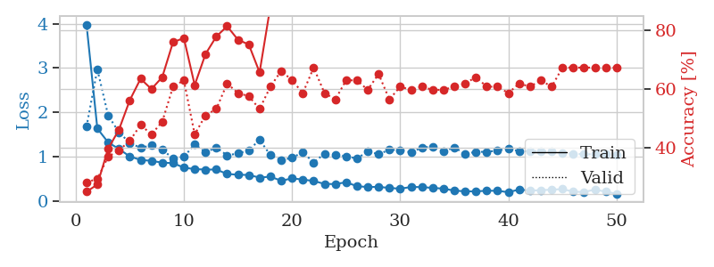
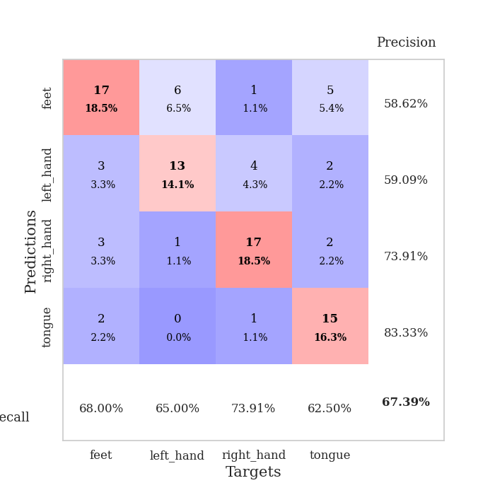
train_loss | valid_loss | train_accuracy | valid_accuracy | dur | train_misclass | valid_misclass
3.1538161299 | 4.4103330115 | 0.26358695652 | 0.26086956522 | 0.085674285889 | 26.358695652 | 26.086956522
1.56843584 | 5.6049840969 | 0.2527173913 | 0.26086956522 | 0.083827495575 | 25.27173913 | 26.086956522
1.3393323421 | 3.6869576081 | 0.26902173913 | 0.26086956522 | 0.083393096924 | 26.902173913 | 26.086956522
1.1661488517 | 1.6678093775 | 0.42119565217 | 0.32608695652 | 0.083602428436 | 42.119565217 | 32.608695652
1.0429708465 | 1.4488252557 | 0.54076086957 | 0.36956521739 | 0.083379507065 | 54.076086957 | 36.956521739
0.98826686973 | 1.0819975034 | 0.65217391304 | 0.51086956522 | 0.083663463593 | 65.217391304 | 51.086956522
0.90852069077 | 1.158110432 | 0.65217391304 | 0.47826086957 | 0.084020137787 | 65.217391304 | 47.826086957
0.8216053377 | 1.1115942001 | 0.76086956522 | 0.53260869565 | 0.083548069 | 76.086956522 | 53.260869565
0.82780852266 | 0.98827511331 | 0.8125 | 0.53260869565 | 0.084144830704 | 81.25 | 53.260869565
0.72441249697 | 0.92448744567 | 0.8152173913 | 0.60869565217 | 0.083455324173 | 81.52173913 | 60.869565217
0.64994748909 | 1.0301973716 | 0.7472826087 | 0.57608695652 | 0.083832025528 | 74.72826087 | 57.608695652
0.68094824578 | 0.98368070437 | 0.78804347826 | 0.63043478261 | 0.083382129669 | 78.804347826 | 63.043478261
0.62807901787 | 1.0225148823 | 0.76902173913 | 0.61956521739 | 0.083854913712 | 76.902173913 | 61.956521739
0.60432445355 | 1.173354605 | 0.73913043478 | 0.53260869565 | 0.083755731583 | 73.913043478 | 53.260869565
0.53356341435 | 1.1963726878 | 0.74184782609 | 0.53260869565 | 0.083977937698 | 74.184782609 | 53.260869565
0.445544824 | 1.5877762463 | 0.58423913043 | 0.47826086957 | 0.083920478821 | 58.423913043 | 47.826086957
0.51889565393 | 1.1774919318 | 0.72010869565 | 0.59782608696 | 0.084408521652 | 72.010869565 | 59.782608696
0.43972123706 | 1.0528839153 | 0.81793478261 | 0.60869565217 | 0.084177732468 | 81.793478261 | 60.869565217
0.43493559309 | 1.605816271 | 0.66847826087 | 0.46739130435 | 0.084084749222 | 66.847826087 | 46.739130435
0.47894978005 | 1.0657283819 | 0.8152173913 | 0.63043478261 | 0.083693981171 | 81.52173913 | 63.043478261
0.37845335382 | 1.0164784945 | 0.83423913043 | 0.65217391304 | 0.083966255188 | 83.423913043 | 65.217391304
0.33999240658 | 1.2415776719 | 0.77445652174 | 0.55434782609 | 0.084287881851 | 77.445652174 | 55.434782609
0.3522608643 | 1.2358281923 | 0.75815217391 | 0.55434782609 | 0.084186077118 | 75.815217391 | 55.434782609
0.40172195888 | 1.1634946906 | 0.79891304348 | 0.60869565217 | 0.083790302277 | 79.891304348 | 60.869565217
0.39830592599 | 0.98075338809 | 0.85597826087 | 0.65217391304 | 0.083837509155 | 85.597826087 | 65.217391304
0.33995127548 | 0.97675836864 | 0.85597826087 | 0.63043478261 | 0.08383846283 | 85.597826087 | 63.043478261
0.31211322578 | 1.1643110021 | 0.78804347826 | 0.64130434783 | 0.083763837814 | 78.804347826 | 64.130434783
0.29699633465 | 1.109407837 | 0.84239130435 | 0.60869565217 | 0.083960533142 | 84.239130435 | 60.869565217
0.27477753681 | 1.0975456963 | 0.8152173913 | 0.61956521739 | 0.084280490875 | 81.52173913 | 61.956521739
0.26843187051 | 1.0618822989 | 0.84510869565 | 0.65217391304 | 0.083773851395 | 84.510869565 | 65.217391304
0.29978899269 | 1.0605295767 | 0.85597826087 | 0.63043478261 | 0.083743572235 | 85.597826087 | 63.043478261
0.30966836635 | 1.0524144691 | 0.88043478261 | 0.63043478261 | 0.083924770355 | 88.043478261 | 63.043478261
0.24108440137 | 1.1394893346 | 0.81793478261 | 0.60869565217 | 0.084101200104 | 81.793478261 | 60.869565217
0.28264992619 | 0.98711585221 | 0.89402173913 | 0.67391304348 | 0.08545923233 | 89.402173913 | 67.391304348
0.23966314417 | 0.94490672972 | 0.91576086957 | 0.69565217391 | 0.084326505661 | 91.576086957 | 69.565217391
0.23543633099 | 0.96431393468 | 0.89945652174 | 0.6847826087 | 0.084192752838 | 89.945652174 | 68.47826087
0.18300096253 | 0.97516431757 | 0.89945652174 | 0.69565217391 | 0.083920240402 | 89.945652174 | 69.565217391
0.2412275625 | 1.0096160173 | 0.89130434783 | 0.67391304348 | 0.083841085434 | 89.130434783 | 67.391304348
0.28131315728 | 1.0003205667 | 0.90217391304 | 0.6847826087 | 0.083849668503 | 90.217391304 | 68.47826087
0.21347913081 | 0.97086437111 | 0.90217391304 | 0.69565217391 | 0.083834886551 | 90.217391304 | 69.565217391
0.22422215634 | 0.93692875168 | 0.91304347826 | 0.71739130435 | 0.083985328674 | 91.304347826 | 71.739130435
0.22165501579 | 0.92305985482 | 0.91847826087 | 0.71739130435 | 0.084946870804 | 91.847826087 | 71.739130435
0.22194376458 | 0.94236378566 | 0.91304347826 | 0.70652173913 | 0.084120035172 | 91.304347826 | 70.652173913
0.21422000618 | 0.93316323083 | 0.92119565217 | 0.6847826087 | 0.08416390419 | 92.119565217 | 68.47826087
0.20388702716 | 0.92978984895 | 0.92663043478 | 0.6847826087 | 0.085501670837 | 92.663043478 | 68.47826087
0.21443719498 | 0.92756651536 | 0.93206521739 | 0.69565217391 | 0.08393740654 | 93.206521739 | 69.565217391
0.18248472152 | 0.92146439656 | 0.93206521739 | 0.69565217391 | 0.084346294403 | 93.206521739 | 69.565217391
0.22075952347 | 0.91752367175 | 0.93206521739 | 0.69565217391 | 0.08393907547 | 93.206521739 | 69.565217391
0.21228662635 | 0.91601378244 | 0.93206521739 | 0.69565217391 | 0.08381319046 | 93.206521739 | 69.565217391
0.20635305782 | 0.91505120889 | 0.9347826087 | 0.69565217391 | 0.083848953247 | 93.47826087 | 69.565217391

Best Val accuracy is 0.717391304347826 and Best test accuracy is 0.7068965517241379
train_loss | valid_loss | train_accuracy | valid_accuracy | dur | train_misclass | valid_misclass
3.9847280098 | 1.6754883113 | 0.25 | 0.28260869565 | 0.085223197937 | 25 | 28.260869565
1.6349410441 | 2.9730710672 | 0.27445652174 | 0.29347826087 | 0.083787202835 | 27.445652174 | 29.347826087
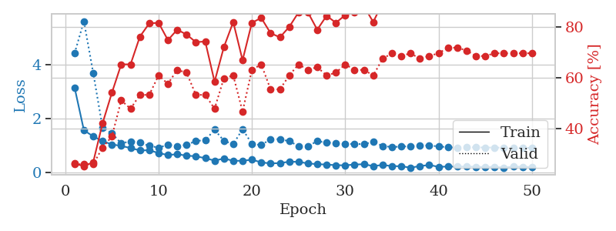
1.3210317752 | 1.9279990507 | 0.39673913043 | 0.36956521739 | 0.084052801132 | 39.673913043 | 36.956521739
1.1722378731 | 1.5486885776 | 0.46195652174 | 0.39130434783 | 0.083915710449 | 46.195652174 | 39.130434783
1.0032798959 | 1.3083767476 | 0.5625 | 0.42391304348 | 0.083731889725 | 56.25 | 42.391304348
0.92531909632 | 1.1980531293 | 0.63586956522 | 0.47826086957 | 0.083659410477 | 63.586956522 | 47.826086957
0.90480374512 | 1.2552639142 | 0.60054347826 | 0.44565217391 | 0.089070796967 | 60.054347826 | 44.565217391
0.86341860372 | 1.1571902736 | 0.64130434783 | 0.48913043478 | 0.085426330566 | 64.130434783 | 48.913043478
0.85303255527 | 0.95932820828 | 0.76086956522 | 0.60869565217 | 0.084600687027 | 76.086956522 | 60.869565217
0.75109534937 | 0.99237181829 | 0.77445652174 | 0.63043478261 | 0.084747076035 | 77.445652174 | 63.043478261
0.71783645645 | 1.2809669738 | 0.61413043478 | 0.44565217391 | 0.08462023735 | 61.413043478 | 44.565217391
0.70728581496 | 1.099346858 | 0.72010869565 | 0.51086956522 | 0.084125041962 | 72.010869565 | 51.086956522
0.70824080187 | 1.2025060861 | 0.77989130435 | 0.53260869565 | 0.084140062332 | 77.989130435 | 53.260869565
0.60757917814 | 1.0294388092 | 0.8152173913 | 0.61956521739 | 0.084901571274 | 81.52173913 | 61.956521739
0.59159414794 | 1.0705800756 | 0.76902173913 | 0.58695652174 | 0.12033867836 | 76.902173913 | 58.695652174
0.58503034193 | 1.1436929366 | 0.7527173913 | 0.57608695652 | 0.084505558014 | 75.27173913 | 57.608695652
0.52573239544 | 1.3798330348 | 0.65760869565 | 0.53260869565 | 0.13357067108 | 65.760869565 | 53.260869565
0.54802517334 | 1.0329437696 | 0.88315217391 | 0.60869565217 | 0.10787796974 | 88.315217391 | 60.869565217
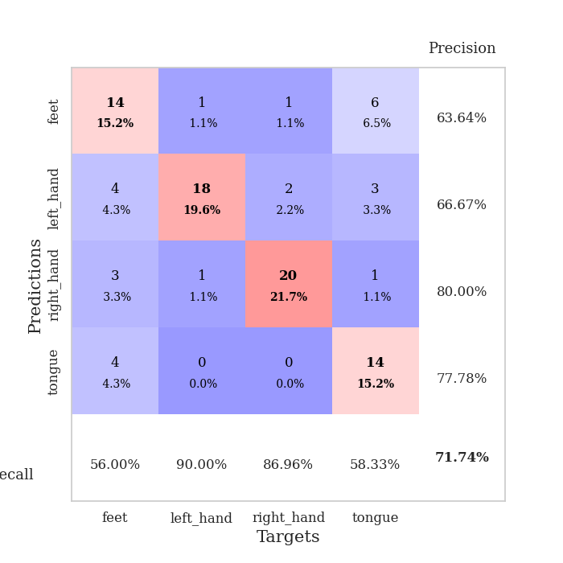
0.45459889523 | 0.9156626748 | 0.92934782609 | 0.66304347826 | 0.11734032631 | 92.934782609 | 66.304347826
0.50867944049 | 0.97559162586 | 0.88315217391 | 0.63043478261 | 0.11068797112 | 88.315217391 | 63.043478261
0.48139350894 | 1.0970826486 | 0.86956521739 | 0.58695652174 | 0.11009383202 | 86.956521739 | 58.695652174
0.44954487293 | 0.86720169886 | 0.95923913043 | 0.67391304348 | 0.11180615425 | 95.923913043 | 67.391304348
0.38333993761 | 1.0670800209 | 0.88858695652 | 0.58695652174 | 0.15206670761 | 88.858695652 | 58.695652174
0.37962351221 | 1.0495108962 | 0.92391304348 | 0.5652173913 | 0.11094713211 | 92.391304348 | 56.52173913
0.4207716108 | 1.0055435455 | 0.94565217391 | 0.63043478261 | 0.098717212677 | 94.565217391 | 63.043478261
0.33189705727 | 0.95866809721 | 0.97010869565 | 0.63043478261 | 0.088759899139 | 97.010869565 | 63.043478261
0.31248179078 | 1.1153330492 | 0.93206521739 | 0.59782608696 | 0.083744764328 | 93.206521739 | 59.782608696
0.31651873984 | 1.0569019084 | 0.9402173913 | 0.65217391304 | 0.083686590195 | 94.02173913 | 65.217391304
0.2928867366 | 1.1522555662 | 0.93206521739 | 0.5652173913 | 0.35797452927 | 93.206521739 | 56.52173913
0.27435293308 | 1.149483165 | 0.91304347826 | 0.60869565217 | 0.094259977341 | 91.304347826 | 60.869565217
0.3141173066 | 1.0934384128 | 0.92934782609 | 0.59782608696 | 0.090355634689 | 92.934782609 | 59.782608696
0.31173958467 | 1.2055142004 | 0.90217391304 | 0.60869565217 | 0.087153673172 | 90.217391304 | 60.869565217
0.2933019581 | 1.2238336957 | 0.8777173913 | 0.59782608696 | 0.083336591721 | 87.77173913 | 59.782608696
0.27658667739 | 1.1127095559 | 0.92391304348 | 0.59782608696 | 0.083480834961 | 92.391304348 | 59.782608696
0.23253193433 | 1.2101251379 | 0.89945652174 | 0.60869565217 | 0.35278511047 | 89.945652174 | 60.869565217
0.21616090348 | 1.0593034418 | 0.94293478261 | 0.61956521739 | 0.09200334549 | 94.293478261 | 61.956521739
0.21409962569 | 1.1090418593 | 0.9402173913 | 0.64130434783 | 0.08927822113 | 94.02173913 | 64.130434783
0.23041966525 | 1.1074085236 | 0.93206521739 | 0.60869565217 | 0.085634469986 | 93.206521739 | 60.869565217
0.22669524214 | 1.1363241776 | 0.92391304348 | 0.60869565217 | 0.083703994751 | 92.391304348 | 60.869565217
0.19671395291 | 1.1840788878 | 0.91576086957 | 0.58695652174 | 0.26706004143 | 91.576086957 | 58.695652174
0.25618581636 | 1.1192320637 | 0.94836956522 | 0.61956521739 | 0.12502598763 | 94.836956522 | 61.956521739
0.23292641892 | 1.124873677 | 0.95108695652 | 0.60869565217 | 0.091687679291 | 95.108695652 | 60.869565217
0.24045454192 | 1.1267648495 | 0.95652173913 | 0.63043478261 | 0.087316274643 | 95.652173913 | 63.043478261
0.25372621514 | 1.1201764501 | 0.95108695652 | 0.60869565217 | 0.08273434639 | 95.108695652 | 60.869565217
0.26547513546 | 1.0823530918 | 0.95652173913 | 0.67391304348 | 0.082139492035 | 95.652173913 | 67.391304348
0.2078293915 | 1.0654719679 | 0.96195652174 | 0.67391304348 | 0.31715989113 | 96.195652174 | 67.391304348
0.19966031611 | 1.0541821977 | 0.96739130435 | 0.67391304348 | 0.097104072571 | 96.739130435 | 67.391304348
0.25570459599 | 1.0523262853 | 0.96739130435 | 0.67391304348 | 0.090503931046 | 96.739130435 | 67.391304348
0.20770737075 | 1.0498291176 | 0.96739130435 | 0.67391304348 | 0.087004423141 | 96.739130435 | 67.391304348
0.16010532836 | 1.0461746998 | 0.96739130435 | 0.67391304348 | 0.082401752472 | 96.739130435 | 67.391304348

Best Val accuracy is 0.6739130434782609 and Best test accuracy is 0.5603448275862069

Sheet5
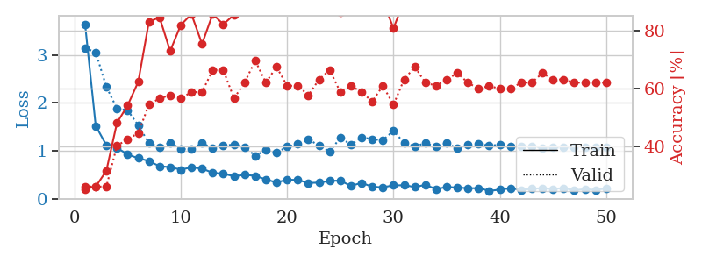
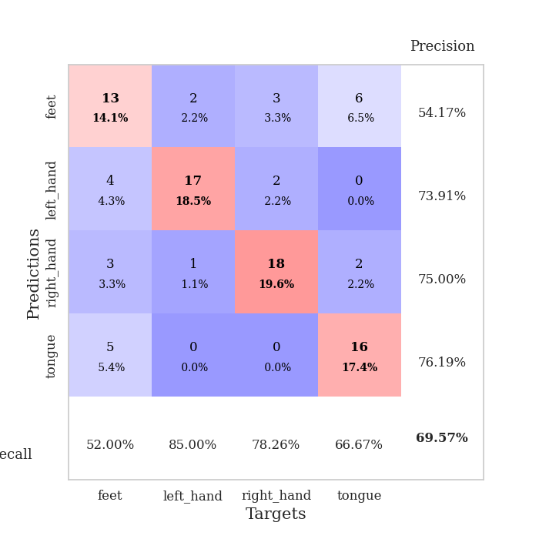
train_loss | valid_loss | train_accuracy | valid_accuracy | dur | train_misclass | valid_misclass
2.4729008882 | 1.5637121045 | 0.28804347826 | 0.28260869565 | 0.10048890114 | 28.804347826 | 28.260869565
1.5030088528 | 3.5208270342 | 0.2527173913 | 0.26086956522 | 0.097258090973 | 25.27173913 | 26.086956522
1.2568907686 | 2.8311163964 | 0.2527173913 | 0.26086956522 | 0.096817731857 | 25.27173913 | 26.086956522
1.1187424789 | 1.5831766802 | 0.45108695652 | 0.39130434783 | 0.093653440475 | 45.108695652 | 39.130434783
1.1113679383 | 1.2093545613 | 0.5625 | 0.46739130435 | 0.082628488541 | 56.25 | 46.739130435
1.030785882 | 1.2307213856 | 0.58423913043 | 0.5 | 0.082372903824 | 58.423913043 | 50
0.91847174582 | 1.0748022276 | 0.67119565217 | 0.59782608696 | 0.082363605499 | 67.119565217 | 59.782608696
0.81456335213 | 1.04191905 | 0.7527173913 | 0.57608695652 | 0.082687616348 | 75.27173913 | 57.608695652
0.88281326968 | 1.0113642553 | 0.76086956522 | 0.54347826087 | 0.082264900208 | 76.086956522 | 54.347826087
0.78844615299 | 1.3069505277 | 0.58423913043 | 0.44565217391 | 0.082218885422 | 58.423913043 | 44.565217391
0.79054533917 | 1.4524861056 | 0.57065217391 | 0.41304347826 | 0.08208656311 | 57.065217391 | 41.304347826
0.67220254566 | 0.99018473729 | 0.86684782609 | 0.54347826087 | 0.082413196564 | 86.684782609 | 54.347826087
0.63315499865 | 1.2889672259 | 0.70380434783 | 0.47826086957 | 0.082666397095 | 70.380434783 | 47.826086957
0.5465029504 | 1.3149430182 | 0.66304347826 | 0.48913043478 | 0.082460165024 | 66.304347826 | 48.913043478
0.53667408617 | 1.0982932837 | 0.79619565217 | 0.52173913043 | 0.082288503647 | 79.619565217 | 52.173913043
0.55078916057 | 1.1275604886 | 0.79891304348 | 0.54347826087 | 0.082613706589 | 79.891304348 | 54.347826087
0.51206206368 | 0.98602011929 | 0.91304347826 | 0.5652173913 | 0.082418203354 | 91.304347826 | 56.52173913
0.49831368418 | 1.167162579 | 0.82336956522 | 0.53260869565 | 0.082575798035 | 82.336956522 | 53.260869565
0.42681953441 | 1.3517253606 | 0.79891304348 | 0.46739130435 | 0.082499265671 | 79.891304348 | 46.739130435
0.47196821285 | 1.1264545036 | 0.85869565217 | 0.52173913043 | 0.082252025604 | 85.869565217 | 52.173913043
0.392191171 | 1.0334868898 | 0.92119565217 | 0.57608695652 | 0.082453250885 | 92.119565217 | 57.608695652
0.50442210358 | 1.0228089975 | 0.89130434783 | 0.59782608696 | 0.082106590271 | 89.130434783 | 59.782608696
0.47819871034 | 1.0940695794 | 0.875 | 0.55434782609 | 0.08216714859 | 87.5 | 55.434782609
0.36590382586 | 0.93089523004 | 0.94293478261 | 0.58695652174 | 0.082452774048 | 94.293478261 | 58.695652174
0.39904290438 | 1.127065897 | 0.88858695652 | 0.5652173913 | 0.082289457321 | 88.858695652 | 56.52173913
0.2982992044 | 1.0470232393 | 0.9375 | 0.60869565217 | 0.082364082336 | 93.75 | 60.869565217
0.32147656932 | 1.035605244 | 0.91304347826 | 0.55434782609 | 0.082774162292 | 91.304347826 | 55.434782609
0.35150509295 | 1.0077672057 | 0.9375 | 0.5652173913 | 0.082212209702 | 93.75 | 56.52173913
0.32155037121 | 1.0732256511 | 0.90217391304 | 0.53260869565 | 0.082335472107 | 90.217391304 | 53.260869565
0.28224657184 | 1.0548028376 | 0.92934782609 | 0.57608695652 | 0.082358121872 | 92.934782609 | 57.608695652
0.28181797072 | 1.0368492163 | 0.92391304348 | 0.58695652174 | 0.082407712936 | 92.391304348 | 58.695652174
0.28457386468 | 1.1502540604 | 0.85869565217 | 0.5652173913 | 0.082243919373 | 85.869565217 | 56.52173913
0.28617865236 | 1.0357348582 | 0.91304347826 | 0.5652173913 | 0.08240032196 | 91.304347826 | 56.52173913
0.28684932577 | 0.97887537531 | 0.95108695652 | 0.58695652174 | 0.082444190979 | 95.108695652 | 58.695652174
0.26162031584 | 0.99872346287 | 0.94293478261 | 0.55434782609 | 0.08428144455 | 94.293478261 | 55.434782609
0.26467899492 | 0.98457945689 | 0.94565217391 | 0.58695652174 | 0.085441589355 | 94.565217391 | 58.695652174
0.26524850273 | 1.039228968 | 0.94836956522 | 0.57608695652 | 0.083842754364 | 94.836956522 | 57.608695652
0.24623216932 | 0.9410174178 | 0.97010869565 | 0.57608695652 | 0.082799911499 | 97.010869565 | 57.608695652
0.23277761658 | 0.90647131205 | 0.97826086957 | 0.61956521739 | 0.082533597946 | 97.826086957 | 61.956521739
0.21494506445 | 0.95441443765 | 0.96739130435 | 0.57608695652 | 0.082984447479 | 96.739130435 | 57.608695652
0.24669799047 | 0.9607818645 | 0.97010869565 | 0.60869565217 | 0.082203388214 | 97.010869565 | 60.869565217
0.19952414816 | 0.96849636669 | 0.97010869565 | 0.60869565217 | 0.082114219666 | 97.010869565 | 60.869565217
0.23131226084 | 0.96810993163 | 0.96739130435 | 0.59782608696 | 0.082465171814 | 96.739130435 | 59.782608696
0.25251936459 | 0.97950595617 | 0.96467391304 | 0.5652173913 | 0.08200097084 | 96.467391304 | 56.52173913
0.22427076782 | 0.96475109069 | 0.97282608696 | 0.59782608696 | 0.082644939423 | 97.282608696 | 59.782608696
0.19719303464 | 0.95789670685 | 0.97554347826 | 0.59782608696 | 0.08243393898 | 97.554347826 | 59.782608696
0.2411287414 | 0.95614467756 | 0.97826086957 | 0.59782608696 | 0.082195520401 | 97.826086957 | 59.782608696
0.22280145906 | 0.95472962701 | 0.97826086957 | 0.59782608696 | 0.086638212204 | 97.826086957 | 59.782608696
0.19206350621 | 0.95159337832 | 0.97826086957 | 0.59782608696 | 0.082490682602 | 97.826086957 | 59.782608696
0.25053370614 | 0.94956649127 | 0.97826086957 | 0.59782608696 | 0.082670688629 | 97.826086957 | 59.782608696

Best Val accuracy is 0.6195652173913043 and Best test accuracy is 0.5775862068965517
train_loss | valid_loss | train_accuracy | valid_accuracy | dur | train_misclass | valid_misclass
3.6452019007 | 3.1475319966 | 0.2527173913 | 0.26086956522 | 0.13155627251 | 25.27173913 | 26.086956522
1.5209264107 | 3.0558467222 | 0.26086956522 | 0.26086956522 | 0.091554164886 | 26.086956522 | 26.086956522
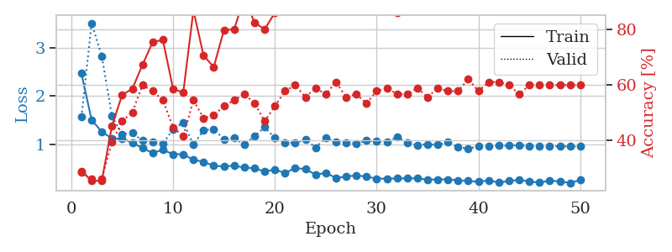
1.1177266007 | 2.3356887465 | 0.3152173913 | 0.26086956522 | 0.088387727737 | 31.52173913 | 26.086956522
1.0621552338 | 1.8830962596 | 0.48097826087 | 0.40217391304 | 0.084753036499 | 48.097826087 | 40.217391304
0.9241185577 | 1.8454058585 | 0.54076086957 | 0.42391304348 | 0.082135438919 | 54.076086957 | 42.391304348
0.84438223683 | 1.531152917 | 0.6222826087 | 0.44565217391 | 0.29129862785 | 62.22826087 | 44.565217391
0.78815995351 | 1.1630080005 | 0.82880434783 | 0.54347826087 | 0.097675085068 | 82.880434783 | 54.347826087
0.67665997666 | 1.0777659909 | 0.84510869565 | 0.5652173913 | 0.090543031693 | 84.510869565 | 56.52173913
0.65987001683 | 1.1710932695 | 0.72826086957 | 0.57608695652 | 0.08802986145 | 72.826086957 | 57.608695652
0.60615027987 | 1.0375951658 | 0.81793478261 | 0.5652173913 | 0.082787752151 | 81.793478261 | 56.52173913
0.65401230558 | 1.0345560338 | 0.85597826087 | 0.58695652174 | 0.082922458649 | 85.597826087 | 58.695652174
0.62922195507 | 1.1616683654 | 0.7527173913 | 0.58695652174 | 0.35568380356 | 75.27173913 | 58.695652174
0.5387663608 | 1.0553095885 | 0.85597826087 | 0.66304347826 | 0.093348264694 | 85.597826087 | 66.304347826
0.52239974685 | 1.1163280451 | 0.82065217391 | 0.66304347826 | 0.091079950333 | 82.065217391 | 66.304347826
0.46820402081 | 1.1240361955 | 0.85326086957 | 0.5652173913 | 0.087466955185 | 85.326086957 | 56.52173913
0.49847209194 | 1.0743898853 | 0.86956521739 | 0.61956521739 | 0.084065914154 | 86.956521739 | 61.956521739
0.47668768854 | 0.89762925324 | 0.90760869565 | 0.69565217391 | 0.084453821182 | 90.760869565 | 69.565217391
0.40125305821 | 1.0138371535 | 0.8777173913 | 0.61956521739 | 0.13035607338 | 87.77173913 | 61.956521739
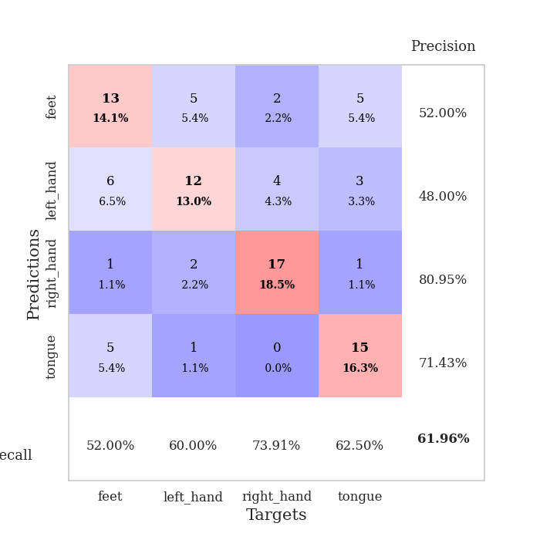
0.33844718693 | 0.96352268043 | 0.93206521739 | 0.67391304348 | 0.092389822006 | 93.206521739 | 67.391304348
0.39744269427 | 1.0824292872 | 0.92934782609 | 0.60869565217 | 0.090678930283 | 92.934782609 | 60.869565217
0.38904618375 | 1.1420787236 | 0.91847826087 | 0.60869565217 | 0.086068630219 | 91.847826087 | 60.869565217
0.32976345183 | 1.231482454 | 0.8777173913 | 0.57608695652 | 0.084236621857 | 87.77173913 | 57.608695652
0.33346733678 | 1.1162834997 | 0.90760869565 | 0.63043478261 | 0.11955547333 | 90.760869565 | 63.043478261
0.37253097056 | 0.98170579776 | 0.95108695652 | 0.66304347826 | 0.10789394379 | 95.108695652 | 66.304347826
0.3763920289 | 1.2753275037 | 0.86141304348 | 0.58695652174 | 0.091869354248 | 86.141304348 | 58.695652174
0.2656257185 | 1.1271865186 | 0.9375 | 0.60869565217 | 0.089304447174 | 93.75 | 60.869565217
0.3304530272 | 1.2835112395 | 0.86956521739 | 0.58695652174 | 0.085278749466 | 86.956521739 | 58.695652174
0.24716317978 | 1.2425688168 | 0.88586956522 | 0.55434782609 | 0.084270715714 | 88.586956522 | 55.434782609
0.23746313997 | 1.2224031505 | 0.90217391304 | 0.60869565217 | 0.34505391121 | 90.217391304 | 60.869565217
0.27795355621 | 1.4173005457 | 0.80706521739 | 0.54347826087 | 0.13214921951 | 80.706521739 | 54.347826087
0.27963314724 | 1.1666445421 | 0.90217391304 | 0.63043478261 | 0.11519384384 | 90.217391304 | 63.043478261
0.24504400871 | 1.0954438837 | 0.92391304348 | 0.67391304348 | 0.093645334244 | 92.391304348 | 67.391304348
0.28697634326 | 1.1571916316 | 0.90217391304 | 0.61956521739 | 0.091459274292 | 90.217391304 | 61.956521739
0.2014252375 | 1.0886473371 | 0.93206521739 | 0.60869565217 | 0.32425355911 | 93.206521739 | 60.869565217
0.24159292196 | 1.1604442985 | 0.89945652174 | 0.63043478261 | 0.095915794373 | 89.945652174 | 63.043478261
0.23287455576 | 1.0520997384 | 0.92391304348 | 0.65217391304 | 0.092431783676 | 92.391304348 | 65.217391304
0.21758811484 | 1.1299124231 | 0.90489130435 | 0.61956521739 | 0.089324235916 | 90.489130435 | 61.956521739
0.21889074714 | 1.1448169299 | 0.91576086957 | 0.59782608696 | 0.083890914917 | 91.576086957 | 59.782608696
0.16257859119 | 1.1040054637 | 0.92663043478 | 0.60869565217 | 0.0838971138 | 92.663043478 | 60.869565217
0.18727712349 | 1.1297642537 | 0.91576086957 | 0.59782608696 | 0.32819437981 | 91.576086957 | 59.782608696
0.2186939888 | 1.1001986732 | 0.94565217391 | 0.59782608696 | 0.096182823181 | 94.565217391 | 59.782608696
0.18490802804 | 1.0849479722 | 0.95380434783 | 0.61956521739 | 0.092369794846 | 95.380434783 | 61.956521739
0.204569113 | 1.0841933359 | 0.95652173913 | 0.61956521739 | 0.08956861496 | 95.652173913 | 61.956521739
0.22035265973 | 1.0618734204 | 0.95923913043 | 0.65217391304 | 0.08457493782 | 95.923913043 | 65.217391304
0.20343230236 | 1.0664171084 | 0.95652173913 | 0.63043478261 | 0.08444237709 | 95.652173913 | 63.043478261
0.22090545702 | 1.0678343151 | 0.95652173913 | 0.63043478261 | 0.33388614655 | 95.652173913 | 63.043478261
0.17678562446 | 1.0756481601 | 0.95923913043 | 0.61956521739 | 0.097763299942 | 95.923913043 | 61.956521739
0.19787124739 | 1.0763832305 | 0.95652173913 | 0.61956521739 | 0.094096899033 | 95.652173913 | 61.956521739
0.18314851286 | 1.0784071088 | 0.95652173913 | 0.61956521739 | 0.088343858719 | 95.652173913 | 61.956521739
0.21385551957 | 1.0799281908 | 0.95108695652 | 0.61956521739 | 0.085128545761 | 95.108695652 | 61.956521739

Best Val accuracy is 0.6956521739130435 and Best test accuracy is 0.6551724137931034

Sheet6
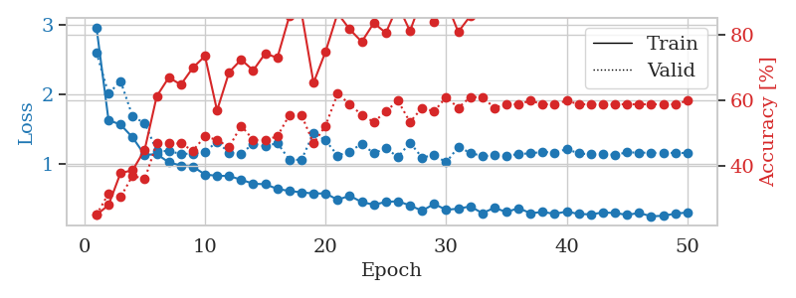
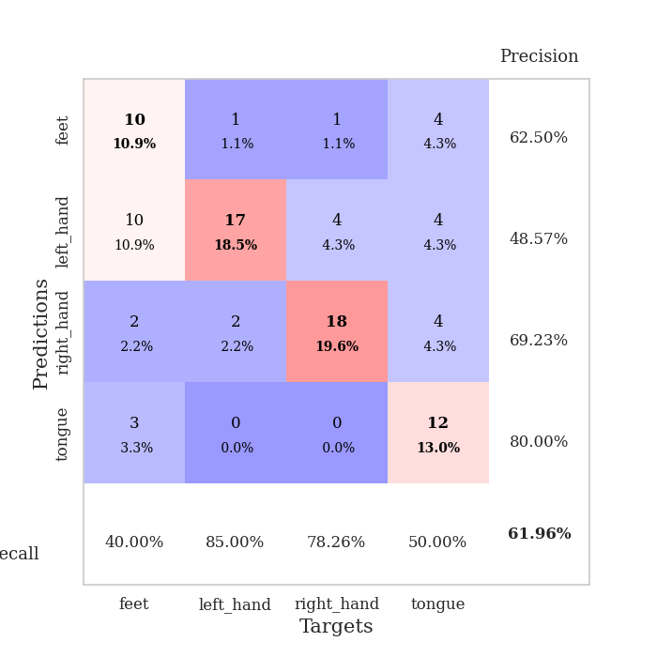
train_loss | valid_loss | train_accuracy | valid_accuracy | dur | train_misclass | valid_misclass
3.9829801269 | 5.7372645295 | 0.26086956522 | 0.27173913043 | 0.083581209183 | 26.086956522 | 27.173913043
1.5016207695 | 7.049221723 | 0.2527173913 | 0.26086956522 | 0.082464933395 | 25.27173913 | 26.086956522
1.2081499022 | 2.2405397477 | 0.42119565217 | 0.28260869565 | 0.082509994507 | 42.119565217 | 28.260869565
1.0613929655 | 1.3142739586 | 0.625 | 0.44565217391 | 0.082358121872 | 62.5 | 44.565217391
0.94242387233 | 1.4203848735 | 0.68206521739 | 0.39130434783 | 0.082629442215 | 68.206521739 | 39.130434783
0.85295658008 | 1.2181018332 | 0.76086956522 | 0.4347826087 | 0.082459211349 | 76.086956522 | 43.47826087
0.78021745319 | 1.3105069477 | 0.75543478261 | 0.4347826087 | 0.082825660706 | 75.543478261 | 43.47826087
0.7887974226 | 1.4058388575 | 0.79891304348 | 0.40217391304 | 0.082895040512 | 79.891304348 | 40.217391304
0.78172826249 | 1.3329559694 | 0.8152173913 | 0.4347826087 | 0.082708597183 | 81.52173913 | 43.47826087
0.63569269491 | 1.3994719542 | 0.77173913043 | 0.46739130435 | 0.082931995392 | 77.173913043 | 46.739130435
0.64140491382 | 1.426601086 | 0.8152173913 | 0.44565217391 | 0.082535505295 | 81.52173913 | 44.565217391
0.6779555497 | 1.2950660768 | 0.83967391304 | 0.52173913043 | 0.082560062408 | 83.967391304 | 52.173913043
0.55196930662 | 1.2099644516 | 0.86413043478 | 0.52173913043 | 0.082760095596 | 86.413043478 | 52.173913043
0.5844520758 | 1.5508429356 | 0.73641304348 | 0.48913043478 | 0.082478046417 | 73.641304348 | 48.913043478
0.57389392412 | 1.6937283718 | 0.68206521739 | 0.5 | 0.082792043686 | 68.206521739 | 50
0.57018216408 | 1.4776009632 | 0.77173913043 | 0.51086956522 | 0.082683324814 | 77.173913043 | 51.086956522
0.52290701218 | 1.623402072 | 0.73913043478 | 0.46739130435 | 0.082567691803 | 73.913043478 | 46.739130435
0.46940529606 | 1.706087921 | 0.69293478261 | 0.51086956522 | 0.082353115082 | 69.293478261 | 51.086956522
0.47964538699 | 1.7275054144 | 0.63043478261 | 0.47826086957 | 0.082368612289 | 63.043478261 | 47.826086957
0.42281468601 | 1.8665515133 | 0.61141304348 | 0.44565217391 | 0.082504272461 | 61.141304348 | 44.565217391
0.39359478588 | 1.398023709 | 0.77989130435 | 0.55434782609 | 0.082769632339 | 77.989130435 | 55.434782609
0.37924294757 | 1.27967191 | 0.79347826087 | 0.54347826087 | 0.082609176636 | 79.347826087 | 54.347826087
0.39695432264 | 1.7953717449 | 0.6847826087 | 0.46739130435 | 0.082424640656 | 68.47826087 | 46.739130435
0.4163339151 | 1.483468885 | 0.82065217391 | 0.54347826087 | 0.082546949387 | 82.065217391 | 54.347826087
0.36585945021 | 1.5041084264 | 0.80434782609 | 0.47826086957 | 0.0826587677 | 80.434782609 | 47.826086957
0.38987032421 | 1.2445543227 | 0.91304347826 | 0.53260869565 | 0.082735300064 | 91.304347826 | 53.260869565
0.41945269574 | 1.4053644642 | 0.88586956522 | 0.55434782609 | 0.087214708328 | 88.586956522 | 55.434782609
0.31010944688 | 1.5351035051 | 0.78804347826 | 0.47826086957 | 0.084790229797 | 78.804347826 | 47.826086957
0.30996301835 | 1.5208909823 | 0.8152173913 | 0.48913043478 | 0.082585811615 | 81.52173913 | 48.913043478
0.27703677895 | 1.5062131182 | 0.79619565217 | 0.52173913043 | 0.082583665848 | 79.619565217 | 52.173913043
0.29252963513 | 1.2723002667 | 0.92119565217 | 0.57608695652 | 0.082567214966 | 92.119565217 | 57.608695652
0.28886871817 | 1.4625027361 | 0.85054347826 | 0.52173913043 | 0.082494258881 | 85.054347826 | 52.173913043
0.30030930366 | 1.3936217375 | 0.85597826087 | 0.58695652174 | 0.082119464874 | 85.597826087 | 58.695652174
0.27104840914 | 1.2423346587 | 0.92119565217 | 0.60869565217 | 0.08281826973 | 92.119565217 | 60.869565217
0.24220338269 | 1.3846314342 | 0.875 | 0.54347826087 | 0.082797527313 | 87.5 | 54.347826087
0.25679672704 | 1.4661309538 | 0.83152173913 | 0.48913043478 | 0.08261346817 | 83.152173913 | 48.913043478
0.21311343558 | 1.3910513935 | 0.85597826087 | 0.52173913043 | 0.082555770874 | 85.597826087 | 52.173913043
0.24718682468 | 1.4303360167 | 0.84239130435 | 0.5 | 0.082651853561 | 84.239130435 | 50
0.25321274218 | 1.3656577131 | 0.86684782609 | 0.53260869565 | 0.082502126694 | 86.684782609 | 53.260869565
0.24409717516 | 1.4218323723 | 0.84510869565 | 0.48913043478 | 0.082375764847 | 84.510869565 | 48.913043478
0.21229608746 | 1.3401195822 | 0.86956521739 | 0.53260869565 | 0.082362651825 | 86.956521739 | 53.260869565
0.23086540223 | 1.307425968 | 0.88858695652 | 0.54347826087 | 0.082388162613 | 88.858695652 | 54.347826087
0.24521790623 | 1.2843337655 | 0.88858695652 | 0.54347826087 | 0.082803010941 | 88.858695652 | 54.347826087
0.23509435631 | 1.3176856248 | 0.88586956522 | 0.53260869565 | 0.082643270493 | 88.586956522 | 53.260869565
0.20774263063 | 1.3085255079 | 0.88586956522 | 0.53260869565 | 0.082393407822 | 88.586956522 | 53.260869565
0.25722595499 | 1.3238546097 | 0.88586956522 | 0.53260869565 | 0.082445144653 | 88.586956522 | 53.260869565
0.18680391104 | 1.3184866957 | 0.88586956522 | 0.53260869565 | 0.082381010056 | 88.586956522 | 53.260869565
0.2217502675 | 1.3094258282 | 0.88586956522 | 0.53260869565 | 0.082411050797 | 88.586956522 | 53.260869565
0.18333648858 | 1.3015264713 | 0.88586956522 | 0.53260869565 | 0.082323789597 | 88.586956522 | 53.260869565
0.24789627496 | 1.2945889468 | 0.88858695652 | 0.54347826087 | 0.082637310028 | 88.858695652 | 54.347826087

Best Val accuracy is 0.6086956521739131 and Best test accuracy is 0.49137931034482757
train_loss | valid_loss | train_accuracy | valid_accuracy | dur | train_misclass | valid_misclass
2.9681906285 | 2.6034131983 | 0.25 | 0.25 | 0.08935046196 | 25 | 25
1.6288394202 | 2.0103606037 | 0.27989130435 | 0.3152173913 | 0.084166765213 | 27.989130435 | 31.52173913
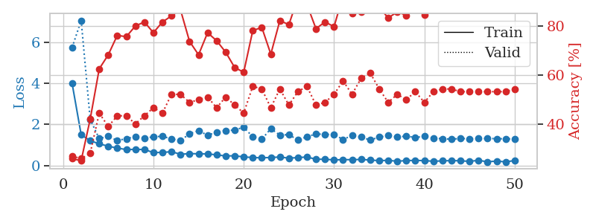
1.5629371975 | 2.1904402297 | 0.3777173913 | 0.30434782609 | 0.32023763657 | 37.77173913 | 30.434782609
1.3779580723 | 1.6811699712 | 0.38586956522 | 0.36956521739 | 0.096680164337 | 38.586956522 | 36.956521739
1.1244874959 | 1.5835925807 | 0.44836956522 | 0.35869565217 | 0.09329867363 | 44.836956522 | 35.869565217
1.1381985986 | 1.1881826857 | 0.61141304348 | 0.46739130435 | 0.089418172836 | 61.141304348 | 46.739130435
1.0182449299 | 1.1774652885 | 0.66847826087 | 0.46739130435 | 0.084242343903 | 66.847826087 | 46.739130435
0.97260445875 | 1.142592894 | 0.64673913043 | 0.46739130435 | 0.084475517273 | 64.673913043 | 46.739130435
0.95583846776 | 1.1411595733 | 0.69836956522 | 0.44565217391 | 0.36332345009 | 69.836956522 | 44.565217391
0.84320762106 | 1.1693286637 | 0.73369565217 | 0.48913043478 | 0.095254182816 | 73.369565217 | 48.913043478
0.8232139945 | 1.3174842492 | 0.56793478261 | 0.47826086957 | 0.090864419937 | 56.793478261 | 47.826086957
0.82210622145 | 1.1559428003 | 0.6847826087 | 0.45652173913 | 0.086593151093 | 68.47826087 | 45.652173913
0.76658410611 | 1.1454536915 | 0.72282608696 | 0.52173913043 | 0.084325790405 | 72.282608696 | 52.173913043
0.71005006199 | 1.2866051923 | 0.6902173913 | 0.47826086957 | 0.32031536102 | 69.02173913 | 47.826086957
0.70206310697 | 1.2486094029 | 0.74184782609 | 0.47826086957 | 0.10033321381 | 74.184782609 | 47.826086957
0.63471179812 | 1.2977612019 | 0.72826086957 | 0.48913043478 | 0.091292858124 | 72.826086957 | 48.913043478
0.60478818157 | 1.0565502384 | 0.85597826087 | 0.55434782609 | 0.089473724365 | 85.597826087 | 55.434782609
0.5854326357 | 1.0546018922 | 0.86684782609 | 0.55434782609 | 0.084842443466 | 86.684782609 | 55.434782609
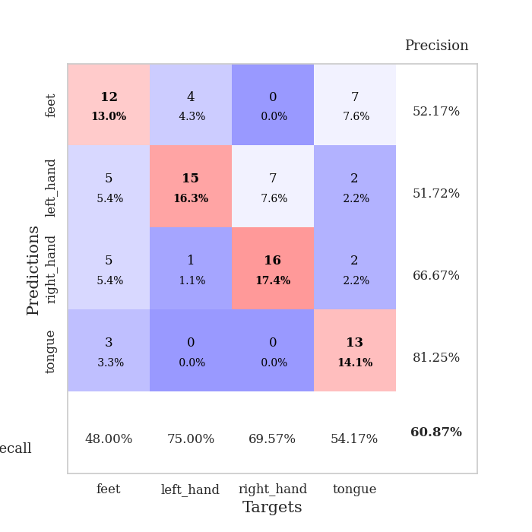
0.56821397206 | 1.4410640623 | 0.65217391304 | 0.46739130435 | 0.083850383759 | 65.217391304 | 46.739130435
0.56958735248 | 1.3338692629 | 0.7472826087 | 0.52173913043 | 0.32300782204 | 74.72826087 | 52.173913043
0.47763953066 | 1.1172367594 | 0.86413043478 | 0.61956521739 | 0.097135782242 | 86.413043478 | 61.956521739
0.53669548035 | 1.1715105357 | 0.8152173913 | 0.58695652174 | 0.09214425087 | 81.52173913 | 58.695652174
0.44402927808 | 1.2894970801 | 0.77717391304 | 0.55434782609 | 0.089530944824 | 77.717391304 | 55.434782609
0.40709103968 | 1.1464544664 | 0.83423913043 | 0.53260869565 | 0.084053277969 | 83.423913043 | 53.260869565
0.44583967069 | 1.2244844644 | 0.80434782609 | 0.5652173913 | 0.083883523941 | 80.434782609 | 56.52173913
0.45740298149 | 1.0941765205 | 0.88858695652 | 0.59782608696 | 0.37089705467 | 88.858695652 | 59.782608696
0.39520175107 | 1.3028758764 | 0.8097826087 | 0.53260869565 | 0.094419240952 | 80.97826087 | 53.260869565
0.31981243841 | 1.0875333625 | 0.91032608696 | 0.57608695652 | 0.090630292892 | 91.032608696 | 57.608695652
0.41649703811 | 1.123679073 | 0.83695652174 | 0.5652173913 | 0.087136268616 | 83.695652174 | 56.52173913
0.33344768247 | 1.0189059066 | 0.89945652174 | 0.60869565217 | 0.084178686142 | 89.945652174 | 60.869565217
0.34855421341 | 1.2384943029 | 0.80706521739 | 0.57608695652 | 0.084089517593 | 80.706521739 | 57.608695652
0.38258744128 | 1.1578798139 | 0.85597826087 | 0.60869565217 | 0.09959602356 | 85.597826087 | 60.869565217
0.28433674023 | 1.1060834708 | 0.89945652174 | 0.60869565217 | 0.092339515686 | 89.945652174 | 60.869565217
0.36123489329 | 1.1238474431 | 0.8777173913 | 0.57608695652 | 0.089373111725 | 87.77173913 | 57.608695652
0.30083011933 | 1.1092681963 | 0.88586956522 | 0.58695652174 | 0.084378004074 | 88.586956522 | 58.695652174
0.35656997108 | 1.1405603367 | 0.88586956522 | 0.58695652174 | 0.084413766861 | 88.586956522 | 58.695652174
0.28414346407 | 1.1470232088 | 0.88586956522 | 0.59782608696 | 0.35704255104 | 88.586956522 | 59.782608696
0.30125765859 | 1.1714503506 | 0.8777173913 | 0.58695652174 | 0.093910694122 | 87.77173913 | 58.695652174
0.27464682771 | 1.1558670065 | 0.88315217391 | 0.58695652174 | 0.091114759445 | 88.315217391 | 58.695652174
0.30819111253 | 1.2103865354 | 0.86413043478 | 0.59782608696 | 0.088200807571 | 86.413043478 | 59.782608696
0.27206573214 | 1.1471511514 | 0.89130434783 | 0.58695652174 | 0.084317445755 | 89.130434783 | 58.695652174
0.26767968775 | 1.1341802763 | 0.90217391304 | 0.58695652174 | 0.08415389061 | 90.217391304 | 58.695652174
0.29411944131 | 1.137984154 | 0.90217391304 | 0.58695652174 | 0.30234861374 | 90.217391304 | 58.695652174
0.28672444496 | 1.1276397886 | 0.89945652174 | 0.58695652174 | 0.095823049545 | 89.945652174 | 58.695652174
0.25975739713 | 1.1624601146 | 0.89402173913 | 0.58695652174 | 0.09109210968 | 89.402173913 | 58.695652174
0.28755419248 | 1.1588019625 | 0.89130434783 | 0.58695652174 | 0.087425231934 | 89.130434783 | 58.695652174
0.23918762382 | 1.1564414942 | 0.89130434783 | 0.58695652174 | 0.083908081055 | 89.130434783 | 58.695652174
0.24650740429 | 1.1555956654 | 0.89130434783 | 0.58695652174 | 0.084363222122 | 89.130434783 | 58.695652174
0.27772588672 | 1.1547025909 | 0.89130434783 | 0.58695652174 | 0.11158156395 | 89.130434783 | 58.695652174
0.29410497779 | 1.153966883 | 0.89130434783 | 0.59782608696 | 0.092707395554 | 89.130434783 | 59.782608696

Best Val accuracy is 0.6195652173913043 and Best test accuracy is 0.5258620689655172

Sheet7
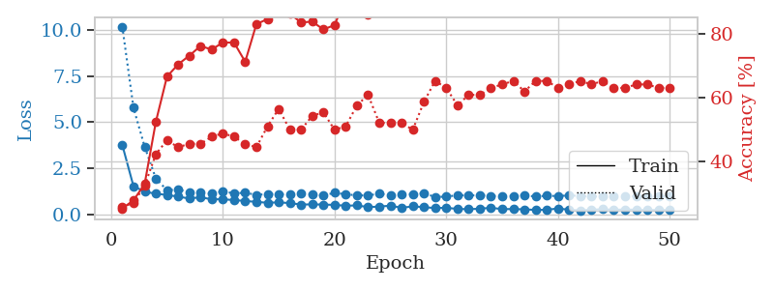
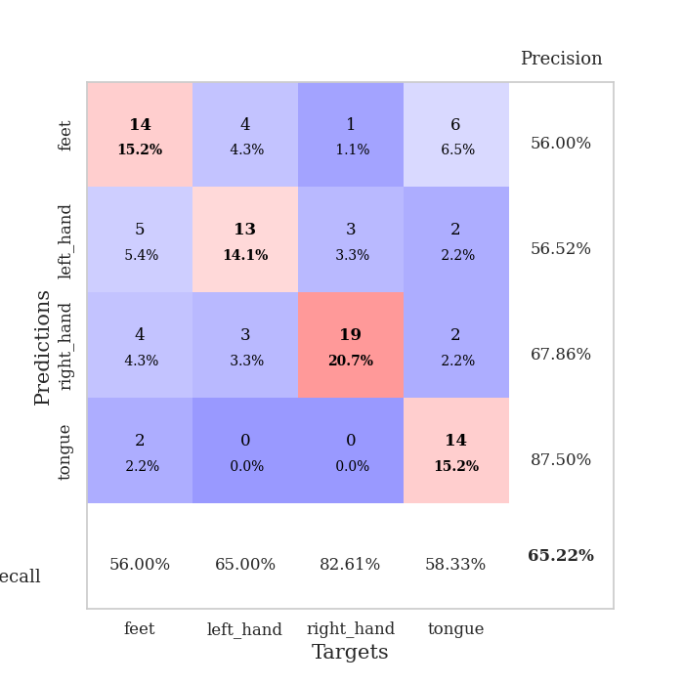
train_loss | valid_loss | train_accuracy | valid_accuracy | dur | train_misclass | valid_misclass
4.5067211234 | 11.068525397 | 0.24184782609 | 0.27173913043 | 0.085003376007 | 24.184782609 | 27.173913043
1.5609242916 | 4.8753297847 | 0.26358695652 | 0.29347826087 | 0.086245536804 | 26.358695652 | 29.347826087
1.1088381747 | 3.3424675672 | 0.36956521739 | 0.33695652174 | 0.083510398865 | 36.956521739 | 33.695652174
1.1104491638 | 2.417747311 | 0.41032608696 | 0.34782608696 | 0.083009004593 | 41.032608696 | 34.782608696
1.0026000764 | 1.5703304177 | 0.55706521739 | 0.42391304348 | 0.082785606384 | 55.706521739 | 42.391304348
0.93608540556 | 1.5029363166 | 0.5652173913 | 0.44565217391 | 0.082793235779 | 56.52173913 | 44.565217391
0.85036392575 | 1.1892084816 | 0.72010869565 | 0.41304347826 | 0.082830429077 | 72.010869565 | 41.304347826
0.84685211726 | 1.1367585789 | 0.79891304348 | 0.52173913043 | 0.082722902298 | 79.891304348 | 52.173913043
0.78917469149 | 1.2086851908 | 0.82880434783 | 0.4347826087 | 0.082720756531 | 82.880434783 | 43.47826087
0.77988338211 | 1.1694252906 | 0.86956521739 | 0.5 | 0.082680940628 | 86.956521739 | 50
0.65560649141 | 1.1154107737 | 0.79347826087 | 0.54347826087 | 0.082585811615 | 79.347826087 | 54.347826087
0.58445592419 | 1.1030144951 | 0.84782608696 | 0.5652173913 | 0.082875967026 | 84.782608696 | 56.52173913
0.64133839633 | 1.482544334 | 0.59782608696 | 0.39130434783 | 0.082974672318 | 59.782608696 | 39.130434783
0.56905745164 | 1.1468672208 | 0.82880434783 | 0.55434782609 | 0.082558870316 | 82.880434783 | 55.434782609
0.56552179287 | 1.6737700545 | 0.54347826087 | 0.44565217391 | 0.082666397095 | 54.347826087 | 44.565217391
0.52558530867 | 1.241756263 | 0.83967391304 | 0.53260869565 | 0.082591295242 | 83.967391304 | 53.260869565
0.48141899575 | 1.1278534402 | 0.88586956522 | 0.5652173913 | 0.082611560822 | 88.586956522 | 56.52173913
0.54982670947 | 1.3241631622 | 0.78260869565 | 0.52173913043 | 0.082646608353 | 78.260869565 | 52.173913043
0.47083091801 | 1.2736520949 | 0.80163043478 | 0.5 | 0.083941459656 | 80.163043478 | 50
0.42664315454 | 1.2410199409 | 0.80163043478 | 0.48913043478 | 0.080953359604 | 80.163043478 | 48.913043478
0.40781911689 | 1.3576102024 | 0.77717391304 | 0.48913043478 | 0.080931425095 | 77.717391304 | 48.913043478
0.36370771994 | 1.0097570549 | 0.94293478261 | 0.60869565217 | 0.081094026566 | 94.293478261 | 60.869565217
0.36396340961 | 1.106984706 | 0.91032608696 | 0.64130434783 | 0.081320762634 | 91.032608696 | 64.130434783
0.37246437889 | 1.0943359681 | 0.93206521739 | 0.63043478261 | 0.081299781799 | 93.206521739 | 63.043478261
0.33697603157 | 1.0718516811 | 0.93206521739 | 0.66304347826 | 0.081032037735 | 93.206521739 | 66.304347826
0.29698223653 | 1.1862934024 | 0.89673913043 | 0.65217391304 | 0.081445932388 | 89.673913043 | 65.217391304
0.27810736292 | 1.0605122214 | 0.95108695652 | 0.66304347826 | 0.081057071686 | 95.108695652 | 66.304347826
0.30946259816 | 1.0371959624 | 0.91576086957 | 0.65217391304 | 0.081018686295 | 91.576086957 | 65.217391304
0.31570605075 | 1.0586829211 | 0.91032608696 | 0.66304347826 | 0.081127882004 | 91.032608696 | 66.304347826
0.32076114189 | 1.2710686663 | 0.85326086957 | 0.54347826087 | 0.081022024155 | 85.326086957 | 54.347826087
0.29504001724 | 1.1966472268 | 0.89945652174 | 0.59782608696 | 0.081298112869 | 89.945652174 | 59.782608696
0.27062947562 | 1.2474811984 | 0.88043478261 | 0.57608695652 | 0.081056833267 | 88.043478261 | 57.608695652
0.27102869781 | 1.2901206924 | 0.84239130435 | 0.57608695652 | 0.080975532532 | 84.239130435 | 57.608695652
0.25649244468 | 1.2740518243 | 0.86684782609 | 0.55434782609 | 0.081102132797 | 86.684782609 | 55.434782609
0.22135330542 | 1.2805755009 | 0.8777173913 | 0.57608695652 | 0.081193208694 | 87.77173913 | 57.608695652
0.19474977741 | 1.0928236635 | 0.94293478261 | 0.66304347826 | 0.080955505371 | 94.293478261 | 66.304347826
0.22418233849 | 1.2511558559 | 0.90217391304 | 0.57608695652 | 0.081142187119 | 90.217391304 | 57.608695652
0.2161325571 | 1.269815476 | 0.88586956522 | 0.58695652174 | 0.081031799316 | 88.586956522 | 58.695652174
0.20920756249 | 1.292741493 | 0.88043478261 | 0.5652173913 | 0.081317424774 | 88.043478261 | 56.52173913
0.22631685355 | 1.2430619468 | 0.90760869565 | 0.58695652174 | 0.084938049316 | 90.760869565 | 58.695652174
0.19606801446 | 1.2098200036 | 0.91847826087 | 0.61956521739 | 0.086360692978 | 91.847826087 | 61.956521739
0.19260156689 | 1.165790519 | 0.92934782609 | 0.64130434783 | 0.081575393677 | 92.934782609 | 64.130434783
0.19039236398 | 1.174762192 | 0.93206521739 | 0.64130434783 | 0.081422328949 | 93.206521739 | 64.130434783
0.21552302024 | 1.1707089984 | 0.9375 | 0.64130434783 | 0.081245660782 | 93.75 | 64.130434783
0.21896558449 | 1.1663253696 | 0.9402173913 | 0.64130434783 | 0.081011295319 | 94.02173913 | 64.130434783
0.18349693489 | 1.1655098977 | 0.94565217391 | 0.65217391304 | 0.081036806107 | 94.565217391 | 65.217391304
0.18656807652 | 1.1567666246 | 0.94565217391 | 0.65217391304 | 0.081108570099 | 94.565217391 | 65.217391304
0.21485710079 | 1.1446612322 | 0.94836956522 | 0.65217391304 | 0.081190347672 | 94.836956522 | 65.217391304
0.17089296068 | 1.1395538657 | 0.95108695652 | 0.66304347826 | 0.081000804901 | 95.108695652 | 66.304347826
0.21936834506 | 1.1342085108 | 0.95652173913 | 0.66304347826 | 0.081075906754 | 95.652173913 | 66.304347826

Best Val accuracy is 0.6630434782608695 and Best test accuracy is 0.5431034482758621
train_loss | valid_loss | train_accuracy | valid_accuracy | dur | train_misclass | valid_misclass
3.7632362687 | 10.18410438 | 0.25543478261 | 0.26086956522 | 0.098019361496 | 25.543478261 | 26.086956522
1.5296503124 | 5.7838776423 | 0.27989130435 | 0.27173913043 | 0.093337535858 | 27.989130435 | 27.173913043
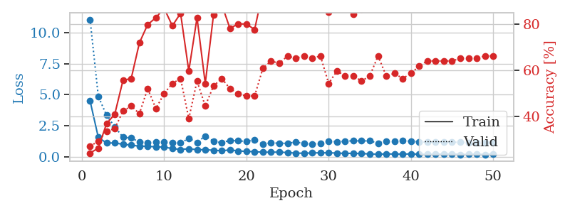
1.2345148195 | 3.668081833 | 0.33152173913 | 0.32608695652 | 0.089558839798 | 33.152173913 | 32.608695652
1.1177350205 | 1.9519194935 | 0.52445652174 | 0.42391304348 | 0.084583282471 | 52.445652174 | 42.391304348
1.0581954562 | 1.3114120701 | 0.66576086957 | 0.46739130435 | 0.084482431412 | 66.576086957 | 46.739130435
0.96208509155 | 1.3496716385 | 0.70380434783 | 0.44565217391 | 0.332498312 | 70.380434783 | 44.565217391
0.86223081791 | 1.2067504888 | 0.73097826087 | 0.45652173913 | 0.094788789749 | 73.097826087 | 45.652173913
0.93128708782 | 1.1749152334 | 0.76086956522 | 0.45652173913 | 0.091260433197 | 76.086956522 | 45.652173913
0.81575955774 | 1.1208586615 | 0.75 | 0.47826086957 | 0.088426828384 | 75 | 47.826086957
0.82270289893 | 1.2551976494 | 0.77173913043 | 0.48913043478 | 0.084617614746 | 77.173913043 | 48.913043478
0.77533418977 | 1.1331745127 | 0.77173913043 | 0.47826086957 | 0.084382295609 | 77.173913043 | 47.826086957
0.72849554342 | 1.1801223237 | 0.71195652174 | 0.45652173913 | 0.11614704132 | 71.195652174 | 45.652173913
0.67800275463 | 1.0529056114 | 0.82880434783 | 0.44565217391 | 0.098417520523 | 82.880434783 | 44.565217391
0.63056914962 | 1.1051935009 | 0.84510869565 | 0.51086956522 | 0.090842008591 | 84.510869565 | 51.086956522
0.65312477039 | 1.0898681749 | 0.875 | 0.5652173913 | 0.08708024025 | 87.5 | 56.52173913
0.61259696147 | 1.0898580266 | 0.86141304348 | 0.5 | 0.084604740143 | 86.141304348 | 50
0.5334733919 | 1.1244678186 | 0.83423913043 | 0.5 | 0.30467867851 | 83.423913043 | 50
0.54356820752 | 1.0970284835 | 0.83695652174 | 0.54347826087 | 0.10598015785 | 83.695652174 | 54.347826087
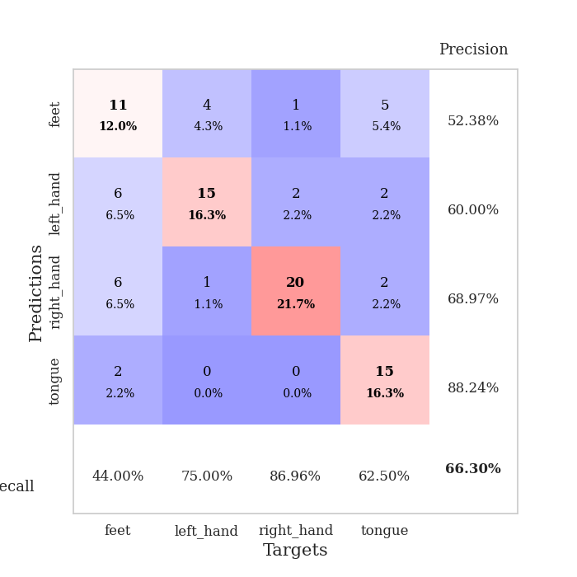
0.53229781532 | 1.0200611729 | 0.8125 | 0.55434782609 | 0.093402147293 | 81.25 | 55.434782609
0.51490913915 | 1.1743674421 | 0.82608695652 | 0.5 | 0.090005874634 | 82.608695652 | 50
0.46850294134 | 1.0852071824 | 0.91032608696 | 0.51086956522 | 0.085134029388 | 91.032608696 | 51.086956522
0.48815149198 | 1.0379664613 | 0.90217391304 | 0.57608695652 | 0.084129571915 | 90.217391304 | 57.608695652
0.39564709754 | 1.0222533747 | 0.85869565217 | 0.60869565217 | 0.3337225914 | 85.869565217 | 60.869565217
0.42268176182 | 1.1288152855 | 0.91576086957 | 0.52173913043 | 0.096979618073 | 91.576086957 | 52.173913043
0.47337121225 | 1.0266475185 | 0.94836956522 | 0.52173913043 | 0.092845201492 | 94.836956522 | 52.173913043
0.35634870374 | 1.0706091121 | 0.96195652174 | 0.52173913043 | 0.089334487915 | 96.195652174 | 52.173913043
0.43478499418 | 1.0989342669 | 0.95652173913 | 0.5 | 0.08434176445 | 95.652173913 | 50
0.39272712884 | 1.1439227747 | 0.86956521739 | 0.58695652174 | 0.084087371826 | 86.956521739 | 58.695652174
0.34330703772 | 0.94759781853 | 0.92391304348 | 0.65217391304 | 0.35809850693 | 92.391304348 | 65.217391304
0.35822943954 | 0.96079381653 | 0.91304347826 | 0.63043478261 | 0.096962928772 | 91.304347826 | 63.043478261
0.29675047521 | 1.0411890499 | 0.94836956522 | 0.57608695652 | 0.091746330261 | 94.836956522 | 57.608695652
0.28234836783 | 1.0211284523 | 0.9347826087 | 0.60869565217 | 0.087376117706 | 93.47826087 | 60.869565217
0.30736566465 | 1.0452191635 | 0.94836956522 | 0.60869565217 | 0.084809541702 | 94.836956522 | 60.869565217
0.35837388913 | 1.0069156691 | 0.92119565217 | 0.63043478261 | 0.16954803467 | 92.119565217 | 63.043478261
0.2849923599 | 0.98040707215 | 0.9402173913 | 0.64130434783 | 0.10382604599 | 94.02173913 | 64.130434783
0.29195296246 | 1.0045908119 | 0.95380434783 | 0.65217391304 | 0.093288183212 | 95.380434783 | 65.217391304
0.27145926266 | 1.049631225 | 0.91576086957 | 0.61956521739 | 0.090547800064 | 91.576086957 | 61.956521739
0.24446061513 | 0.95904953713 | 0.9375 | 0.65217391304 | 0.085712909698 | 93.75 | 65.217391304
0.2475642766 | 1.0202140147 | 0.9402173913 | 0.65217391304 | 0.084226369858 | 94.02173913 | 65.217391304
0.3232993503 | 0.98643813963 | 0.9402173913 | 0.63043478261 | 0.31455016136 | 94.02173913 | 63.043478261
0.25068881687 | 1.0359326251 | 0.9375 | 0.64130434783 | 0.096075773239 | 93.75 | 64.130434783
0.21183132413 | 0.99092998582 | 0.95923913043 | 0.65217391304 | 0.096620798111 | 95.923913043 | 65.217391304
0.25291289292 | 0.97450681096 | 0.95652173913 | 0.64130434783 | 0.089699268341 | 95.652173913 | 64.130434783
0.28053784014 | 0.96759236896 | 0.95923913043 | 0.65217391304 | 0.084263563156 | 95.923913043 | 65.217391304
0.24651712503 | 0.99263501297 | 0.95380434783 | 0.63043478261 | 0.08443069458 | 95.380434783 | 63.043478261
0.26788871087 | 0.9917786549 | 0.95380434783 | 0.63043478261 | 0.32375812531 | 95.380434783 | 63.043478261
0.2475772066 | 0.98235584731 | 0.95380434783 | 0.64130434783 | 0.096374511719 | 95.380434783 | 64.130434783
0.23247306114 | 0.98074803793 | 0.95380434783 | 0.64130434783 | 0.092786312103 | 95.380434783 | 64.130434783
0.23814346253 | 0.97867682965 | 0.95923913043 | 0.63043478261 | 0.090403795242 | 95.923913043 | 63.043478261
0.22986777516 | 0.97718777605 | 0.96195652174 | 0.63043478261 | 0.084599733353 | 96.195652174 | 63.043478261

Best Val accuracy is 0.6521739130434783 and Best test accuracy is 0.5603448275862069

Sheet8
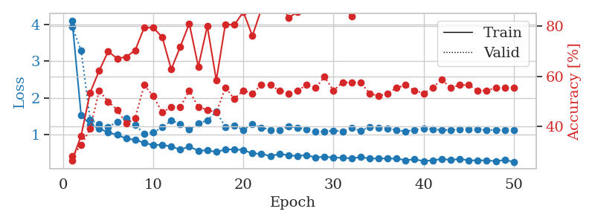
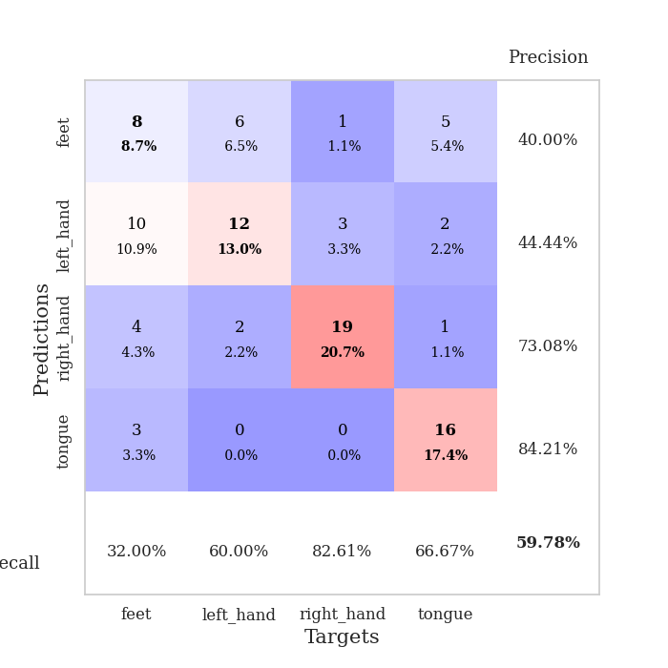
train_loss | valid_loss | train_accuracy | valid_accuracy | dur | train_misclass | valid_misclass
3.8241999357 | 2.2584998089 | 0.30434782609 | 0.32608695652 | 0.082858085632 | 30.434782609 | 32.608695652
1.5359537809 | 1.8762183708 | 0.34239130435 | 0.3152173913 | 0.080883026123 | 34.239130435 | 31.52173913
1.2459746755 | 2.1172019399 | 0.42119565217 | 0.38043478261 | 0.081074714661 | 42.119565217 | 38.043478261
1.118036055 | 1.2310099446 | 0.57880434783 | 0.5 | 0.081334352493 | 57.880434783 | 50
1.0691080767 | 1.3947978797 | 0.52445652174 | 0.4347826087 | 0.081253528595 | 52.445652174 | 43.47826087
0.96968521502 | 1.1127730038 | 0.70652173913 | 0.5 | 0.081344604492 | 70.652173913 | 50
0.91707972858 | 1.1803095807 | 0.6847826087 | 0.5 | 0.08625125885 | 68.47826087 | 50
0.91729155053 | 1.058333993 | 0.77989130435 | 0.5652173913 | 0.082707643509 | 77.989130435 | 56.52173913
0.87365394053 | 1.1007543854 | 0.76902173913 | 0.48913043478 | 0.082894086838 | 76.902173913 | 48.913043478
0.82171344757 | 1.1814138423 | 0.71467391304 | 0.5 | 0.082764625549 | 71.467391304 | 50
0.68307165348 | 1.4534504103 | 0.6222826087 | 0.42391304348 | 0.082945823669 | 62.22826087 | 42.391304348
0.73389345278 | 1.183803973 | 0.77445652174 | 0.4347826087 | 0.082667350769 | 77.445652174 | 43.47826087
0.56992423405 | 1.0550244839 | 0.82065217391 | 0.54347826087 | 0.082806825638 | 82.065217391 | 54.347826087
0.62484646362 | 0.93521682076 | 0.86684782609 | 0.58695652174 | 0.082968473434 | 86.684782609 | 58.695652174
0.55598977856 | 1.1040299561 | 0.76086956522 | 0.54347826087 | 0.083838224411 | 76.086956522 | 54.347826087
0.58381427371 | 1.1326499244 | 0.79347826087 | 0.51086956522 | 0.082858562469 | 79.347826087 | 51.086956522
0.453639552 | 0.99900318229 | 0.8152173913 | 0.59782608696 | 0.082598686218 | 81.52173913 | 59.782608696
0.49451711385 | 0.92832879657 | 0.82065217391 | 0.60869565217 | 0.08330821991 | 82.065217391 | 60.869565217
0.51634276205 | 0.88170536705 | 0.88315217391 | 0.63043478261 | 0.083332538605 | 88.315217391 | 63.043478261
0.419848054 | 0.98031660007 | 0.88858695652 | 0.60869565217 | 0.083258867264 | 88.858695652 | 60.869565217
0.41906590695 | 0.87810805829 | 0.90760869565 | 0.63043478261 | 0.082900762558 | 90.760869565 | 63.043478261
0.38190962569 | 0.87300380417 | 0.88858695652 | 0.64130434783 | 0.082843065262 | 88.858695652 | 64.130434783
0.41962464737 | 0.98121338564 | 0.86413043478 | 0.63043478261 | 0.083139896393 | 86.413043478 | 63.043478261
0.37875024391 | 0.87237662854 | 0.95380434783 | 0.64130434783 | 0.082874774933 | 95.380434783 | 64.130434783
0.32976976361 | 0.95232828285 | 0.9347826087 | 0.63043478261 | 0.082768678665 | 93.47826087 | 63.043478261
0.3408366662 | 0.85357018528 | 0.92119565217 | 0.71739130435 | 0.083025217056 | 92.119565217 | 71.739130435
0.36979002376 | 0.92193106206 | 0.92663043478 | 0.64130434783 | 0.082919120789 | 92.663043478 | 64.130434783
0.28281558273 | 0.96392286083 | 0.89673913043 | 0.66304347826 | 0.083166599274 | 89.673913043 | 66.304347826
0.37094538367 | 0.96944645954 | 0.8777173913 | 0.67391304348 | 0.082711935043 | 87.77173913 | 67.391304348
0.31625676771 | 0.96686731214 | 0.88858695652 | 0.67391304348 | 0.083155155182 | 88.858695652 | 67.391304348
0.26076405447 | 0.95366239029 | 0.92119565217 | 0.66304347826 | 0.082937002182 | 92.119565217 | 66.304347826
0.27010931075 | 0.96343070787 | 0.89402173913 | 0.70652173913 | 0.082926511765 | 89.402173913 | 70.652173913
0.28256097015 | 0.93384156797 | 0.92663043478 | 0.69565217391 | 0.083056926727 | 92.663043478 | 69.565217391
0.26333077074 | 0.97427252583 | 0.90217391304 | 0.67391304348 | 0.082952022552 | 90.217391304 | 67.391304348
0.30428302353 | 0.90155253203 | 0.9402173913 | 0.67391304348 | 0.083085775375 | 94.02173913 | 67.391304348
0.21495112323 | 0.96524184683 | 0.92934782609 | 0.67391304348 | 0.083123207092 | 92.934782609 | 67.391304348
0.25190021292 | 0.94375654925 | 0.92391304348 | 0.67391304348 | 0.083008527756 | 92.391304348 | 67.391304348
0.23723207511 | 0.92466530074 | 0.94293478261 | 0.66304347826 | 0.085258722305 | 94.293478261 | 66.304347826
0.23394260977 | 0.93287054611 | 0.94565217391 | 0.67391304348 | 0.081331014633 | 94.565217391 | 67.391304348
0.24814255827 | 0.93224190629 | 0.94836956522 | 0.65217391304 | 0.081321001053 | 94.836956522 | 65.217391304
0.20782798415 | 0.941176868 | 0.9375 | 0.65217391304 | 0.081222295761 | 93.75 | 65.217391304
0.25595929214 | 0.97453240467 | 0.93206521739 | 0.64130434783 | 0.081491231918 | 93.206521739 | 64.130434783
0.23678581741 | 0.96709722281 | 0.9347826087 | 0.64130434783 | 0.081412315369 | 93.47826087 | 64.130434783
0.20540051486 | 0.97456612017 | 0.9402173913 | 0.67391304348 | 0.081350564957 | 94.02173913 | 67.391304348
0.22249659021 | 0.97507111145 | 0.94836956522 | 0.66304347826 | 0.081334352493 | 94.836956522 | 66.304347826
0.23380329913 | 0.97258484104 | 0.95108695652 | 0.67391304348 | 0.081394433975 | 95.108695652 | 67.391304348
0.22206395379 | 0.96663716824 | 0.95108695652 | 0.67391304348 | 0.081401348114 | 95.108695652 | 67.391304348
0.21437006168 | 0.96423369646 | 0.95108695652 | 0.67391304348 | 0.081367492676 | 95.108695652 | 67.391304348
0.22836436882 | 0.96208130536 | 0.95108695652 | 0.67391304348 | 0.081322431564 | 95.108695652 | 67.391304348
0.25070308635 | 0.96079854602 | 0.95108695652 | 0.67391304348 | 0.084065675735 | 95.108695652 | 67.391304348

Best Val accuracy is 0.717391304347826 and Best test accuracy is 0.6637931034482759
train_loss | valid_loss | train_accuracy | valid_accuracy | dur | train_misclass | valid_misclass
4.1157978825 | 3.9443431004 | 0.26630434783 | 0.28260869565 | 0.092346668243 | 26.630434783 | 28.260869565
1.5262766973 | 3.2960308946 | 0.36413043478 | 0.32608695652 | 0.087359189987 | 36.413043478 | 32.608695652
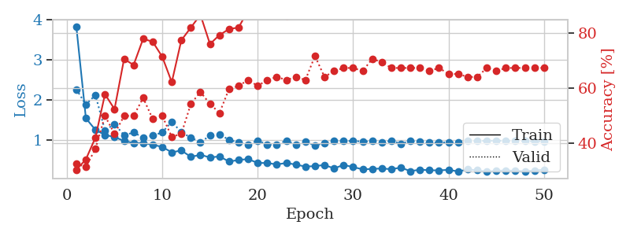
1.2636810619 | 1.4098714538 | 0.53532608696 | 0.39130434783 | 0.34777474403 | 53.532608696 | 39.130434783
1.1605148808 | 1.268863678 | 0.6222826087 | 0.54347826087 | 0.09916472435 | 62.22826087 | 54.347826087
1.0539107426 | 1.1981102643 | 0.69836956522 | 0.5 | 0.0935754776 | 69.836956522 | 50
0.98616273766 | 1.34367056 | 0.67119565217 | 0.46739130435 | 0.088866949081 | 67.119565217 | 46.739130435
0.88242963475 | 1.4475324724 | 0.67663043478 | 0.41304347826 | 0.085403203964 | 67.663043478 | 41.304347826
0.84846040736 | 1.2571529305 | 0.70380434783 | 0.4347826087 | 0.085003852844 | 70.380434783 | 43.47826087
0.76745531416 | 1.0155756888 | 0.79347826087 | 0.5652173913 | 0.12819671631 | 79.347826087 | 56.52173913
0.70435523598 | 1.0488126459 | 0.79347826087 | 0.52173913043 | 0.098403692245 | 79.347826087 | 52.173913043
0.71384791965 | 1.1876225057 | 0.75543478261 | 0.45652173913 | 0.093040466309 | 75.543478261 | 45.652173913
0.6641697469 | 1.3760525481 | 0.6277173913 | 0.47826086957 | 0.086044788361 | 62.77173913 | 47.826086957
0.58479124567 | 1.2867947169 | 0.71739130435 | 0.47826086957 | 0.08521938324 | 71.739130435 | 47.826086957
0.65843315487 | 1.1259543896 | 0.8097826087 | 0.54347826087 | 0.31820821762 | 80.97826087 | 54.347826087
0.55568284574 | 1.2980850132 | 0.63858695652 | 0.47826086957 | 0.098950386047 | 63.858695652 | 47.826086957
0.55956133941 | 1.381786432 | 0.79891304348 | 0.46739130435 | 0.093863487244 | 79.891304348 | 46.739130435
0.51740806258 | 1.6182737117 | 0.58423913043 | 0.45652173913 | 0.089818477631 | 58.423913043 | 45.652173913
0.58495842892 | 1.2069316817 | 0.80706521739 | 0.55434782609 | 0.085255384445 | 80.706521739 | 55.434782609
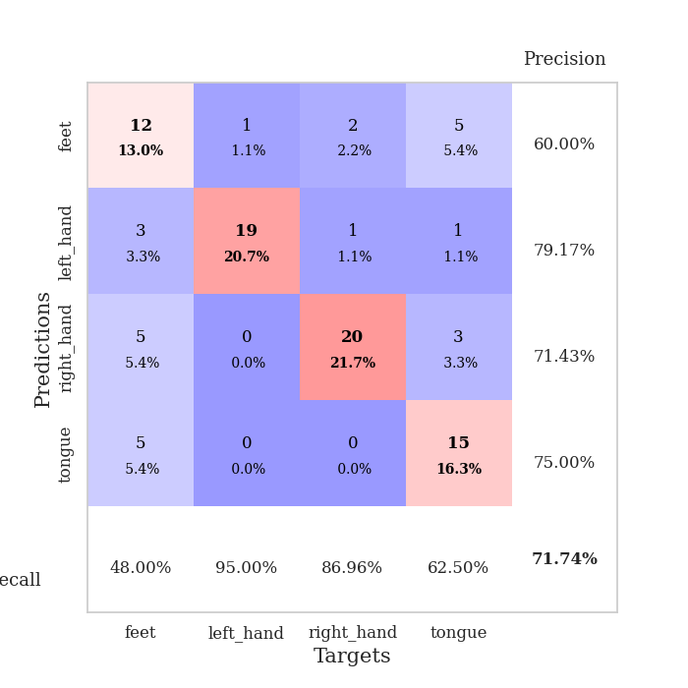
0.5876243704 | 1.2401334306 | 0.80434782609 | 0.51086956522 | 0.085577964783 | 80.434782609 | 51.086956522
0.57024297248 | 1.1190888337 | 0.85597826087 | 0.54347826087 | 0.339407444 | 85.597826087 | 54.347826087
0.47513007988 | 1.2838626167 | 0.76086956522 | 0.53260869565 | 0.097877502441 | 76.086956522 | 53.260869565
0.46790840963 | 1.1802684613 | 0.86684782609 | 0.5652173913 | 0.093440294266 | 86.684782609 | 56.52173913
0.40143174322 | 1.1233563345 | 0.90760869565 | 0.5652173913 | 0.089039802551 | 90.760869565 | 56.52173913
0.46350563091 | 1.1078948845 | 0.90760869565 | 0.54347826087 | 0.085035800934 | 90.760869565 | 54.347826087
0.42706372427 | 1.2174509453 | 0.83152173913 | 0.53260869565 | 0.085684537888 | 83.152173913 | 53.260869565
0.40611225755 | 1.1821628032 | 0.85597826087 | 0.54347826087 | 0.13029575348 | 85.597826087 | 54.347826087
0.43414627663 | 1.1440805585 | 0.88858695652 | 0.5652173913 | 0.094925642014 | 88.858695652 | 56.52173913
0.36295974157 | 1.0748953223 | 0.91847826087 | 0.55434782609 | 0.090980529785 | 91.847826087 | 55.434782609
0.39079014147 | 1.074931238 | 0.91576086957 | 0.59782608696 | 0.086320877075 | 91.576086957 | 59.782608696
0.36092912147 | 1.1025951051 | 0.91032608696 | 0.54347826087 | 0.084686994553 | 91.032608696 | 54.347826087
0.36017867016 | 1.0813761055 | 0.88586956522 | 0.57608695652 | 0.31911420822 | 88.586956522 | 57.608695652
0.33972435639 | 1.1767242382 | 0.83695652174 | 0.57608695652 | 0.097779273987 | 83.695652174 | 57.608695652
0.37643267344 | 1.0973475083 | 0.89402173913 | 0.57608695652 | 0.093742847443 | 89.402173913 | 57.608695652
0.33845143927 | 1.196588397 | 0.8777173913 | 0.53260869565 | 0.09016084671 | 87.77173913 | 53.260869565
0.33936315516 | 1.1811496926 | 0.88315217391 | 0.52173913043 | 0.085027933121 | 88.315217391 | 52.173913043
0.33928730436 | 1.1623784537 | 0.89130434783 | 0.53260869565 | 0.085145235062 | 89.130434783 | 53.260869565
0.33590831964 | 1.1116647643 | 0.91576086957 | 0.55434782609 | 0.3401684761 | 91.576086957 | 55.434782609
0.29112125285 | 1.0800026629 | 0.94565217391 | 0.5652173913 | 0.1000494957 | 94.565217391 | 56.52173913
0.31619285889 | 1.1249875193 | 0.92663043478 | 0.54347826087 | 0.093253135681 | 92.663043478 | 54.347826087
0.26568275172 | 1.1559270517 | 0.92391304348 | 0.53260869565 | 0.088092565536 | 92.391304348 | 53.260869565
0.29126690004 | 1.14175867 | 0.92934782609 | 0.55434782609 | 0.084738731384 | 92.934782609 | 55.434782609
0.3213632813 | 1.1178668038 | 0.92934782609 | 0.58695652174 | 0.084735393524 | 92.934782609 | 58.695652174
0.30035159154 | 1.1183250702 | 0.92934782609 | 0.55434782609 | 0.1205098629 | 92.934782609 | 55.434782609
0.32493517515 | 1.1328087916 | 0.92663043478 | 0.5652173913 | 0.09503364563 | 92.663043478 | 56.52173913
0.28862631839 | 1.1281412503 | 0.92663043478 | 0.5652173913 | 0.092731952667 | 92.663043478 | 56.52173913
0.28564274505 | 1.1266295728 | 0.9347826087 | 0.54347826087 | 0.087758779526 | 93.47826087 | 54.347826087
0.28908418022 | 1.1201122714 | 0.9375 | 0.54347826087 | 0.085433483124 | 93.75 | 54.347826087
0.26348034584 | 1.1177723097 | 0.9375 | 0.55434782609 | 0.12947678566 | 93.75 | 55.434782609
0.3011939375 | 1.1150844304 | 0.94293478261 | 0.55434782609 | 0.10628390312 | 94.293478261 | 55.434782609
0.24629234166 | 1.1138236911 | 0.94293478261 | 0.55434782609 | 0.093694925308 | 94.293478261 | 55.434782609

Best Val accuracy is 0.5978260869565217 and Best test accuracy is 0.49137931034482757

Sheet9
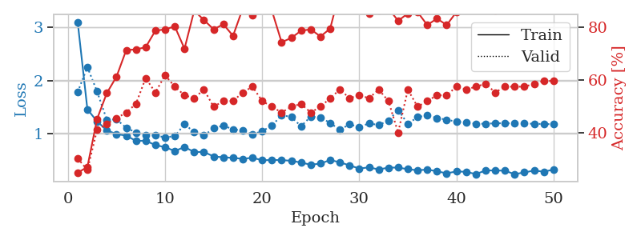
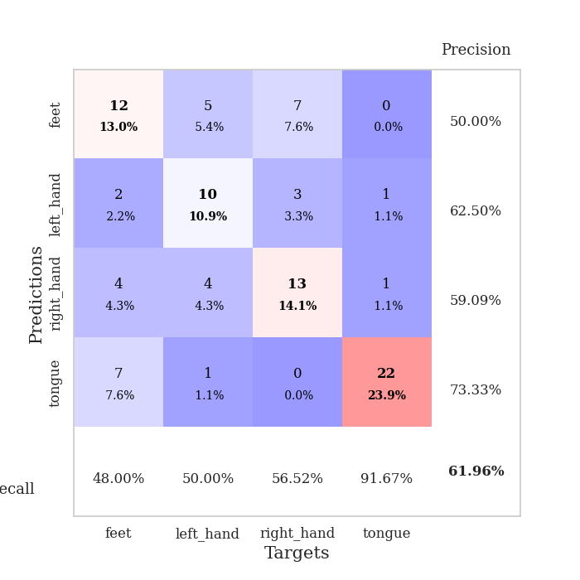
train_loss | valid_loss | train_accuracy | valid_accuracy | dur | train_misclass | valid_misclass
4.1969334457 | 7.557535524 | 0.29891304348 | 0.30434782609 | 0.085975646973 | 29.891304348 | 30.434782609
1.4572442511 | 5.2902386914 | 0.29076086957 | 0.28260869565 | 0.082953929901 | 29.076086957 | 28.260869565
1.2579204492 | 2.2858494157 | 0.40760869565 | 0.32608695652 | 0.082633018494 | 40.760869565 | 32.608695652
1.0526004226 | 1.5692106537 | 0.53260869565 | 0.41304347826 | 0.0824842453 | 53.260869565 | 41.304347826
1.0658395342 | 1.4468151383 | 0.63315217391 | 0.42391304348 | 0.082298755646 | 63.315217391 | 42.391304348
0.90616263514 | 1.7982618083 | 0.47282608696 | 0.44565217391 | 0.082659959793 | 47.282608696 | 44.565217391
0.86172712627 | 1.2662601471 | 0.73913043478 | 0.5 | 0.082674026489 | 73.913043478 | 50
0.89121596062 | 1.1464976435 | 0.76086956522 | 0.57608695652 | 0.082876682281 | 76.086956522 | 57.608695652
0.8305431112 | 1.1820924023 | 0.75 | 0.47826086957 | 0.082618236542 | 75 | 47.826086957
0.83057096601 | 1.0270253938 | 0.78804347826 | 0.59782608696 | 0.082572460175 | 78.804347826 | 59.782608696
0.78598043841 | 1.0519005268 | 0.79619565217 | 0.63043478261 | 0.082334041595 | 79.619565217 | 63.043478261
0.75686096756 | 1.2989062123 | 0.6847826087 | 0.5 | 0.08284330368 | 68.47826087 | 50
0.77988058069 | 1.1429657781 | 0.82336956522 | 0.5652173913 | 0.082323074341 | 82.336956522 | 56.52173913
0.6861738446 | 1.1954790354 | 0.8777173913 | 0.57608695652 | 0.085173130035 | 87.77173913 | 57.608695652
0.65922558048 | 1.0666097765 | 0.88586956522 | 0.5652173913 | 0.081236839294 | 88.586956522 | 56.52173913
0.5762877866 | 1.1749137018 | 0.79347826087 | 0.53260869565 | 0.085169315338 | 79.347826087 | 53.260869565
0.61351800224 | 1.0322339794 | 0.86684782609 | 0.60869565217 | 0.08106803894 | 86.684782609 | 60.869565217
0.6254305075 | 1.0993234645 | 0.92119565217 | 0.5652173913 | 0.081022024155 | 92.119565217 | 56.52173913
0.59650777539 | 1.2447060139 | 0.74456521739 | 0.51086956522 | 0.080923318863 | 74.456521739 | 51.086956522
0.58574470618 | 1.1884407842 | 0.83423913043 | 0.57608695652 | 0.081021785736 | 83.423913043 | 57.608695652
0.56741213539 | 1.3813599348 | 0.69565217391 | 0.45652173913 | 0.080758571625 | 69.565217391 | 45.652173913
0.54922899733 | 1.2369843773 | 0.84239130435 | 0.51086956522 | 0.080904245377 | 84.239130435 | 51.086956522
0.45807189915 | 1.0875435135 | 0.89402173913 | 0.55434782609 | 0.080923080444 | 89.402173913 | 55.434782609
0.50380650292 | 1.2189026242 | 0.86413043478 | 0.54347826087 | 0.084043979645 | 86.413043478 | 54.347826087
0.49309979833 | 1.1784157442 | 0.82880434783 | 0.55434782609 | 0.083306074142 | 82.880434783 | 55.434782609
0.50839322287 | 1.4546675112 | 0.80163043478 | 0.4347826087 | 0.082434654236 | 80.163043478 | 43.47826087
0.45077147432 | 1.3497026433 | 0.83695652174 | 0.5 | 0.08154630661 | 83.695652174 | 50
0.48184501477 | 1.3027463633 | 0.86684782609 | 0.48913043478 | 0.081296443939 | 86.684782609 | 48.913043478
0.39741896384 | 1.4354101057 | 0.77989130435 | 0.47826086957 | 0.081131219864 | 77.989130435 | 47.826086957
0.41078584155 | 1.6329649065 | 0.71467391304 | 0.36956521739 | 0.081414222717 | 71.467391304 | 36.956521739
0.36612671355 | 1.5650201984 | 0.74184782609 | 0.41304347826 | 0.081413507462 | 74.184782609 | 41.304347826
0.36359322071 | 1.7122494345 | 0.66304347826 | 0.39130434783 | 0.08141040802 | 66.304347826 | 39.130434783
0.42349683655 | 1.4723737084 | 0.8097826087 | 0.46739130435 | 0.081525564194 | 80.97826087 | 46.739130435
0.41830489493 | 1.5183833889 | 0.79347826087 | 0.48913043478 | 0.081192016602 | 79.347826087 | 48.913043478
0.35032432105 | 1.3472400282 | 0.84510869565 | 0.54347826087 | 0.081083536148 | 84.510869565 | 54.347826087
0.43155843667 | 1.5131609958 | 0.77989130435 | 0.44565217391 | 0.081252574921 | 77.989130435 | 44.565217391
0.40568438172 | 1.5683398506 | 0.77173913043 | 0.4347826087 | 0.081109762192 | 77.173913043 | 43.47826087
0.33013232182 | 1.4066204092 | 0.82065217391 | 0.48913043478 | 0.081143140793 | 82.065217391 | 48.913043478
0.36296405416 | 1.660732347 | 0.6902173913 | 0.40217391304 | 0.081040620804 | 69.02173913 | 40.217391304
0.34232935892 | 1.555265069 | 0.73641304348 | 0.42391304348 | 0.081257820129 | 73.641304348 | 42.391304348
0.35783457173 | 1.5466078002 | 0.74184782609 | 0.4347826087 | 0.080859422684 | 74.184782609 | 43.47826087
0.3078878943 | 1.4730454787 | 0.77173913043 | 0.46739130435 | 0.081080913544 | 77.173913043 | 46.739130435
0.36086148607 | 1.4009424552 | 0.8152173913 | 0.52173913043 | 0.08132314682 | 81.52173913 | 52.173913043
0.3320126391 | 1.4300419403 | 0.80434782609 | 0.48913043478 | 0.080923557281 | 80.434782609 | 48.913043478
0.27429065303 | 1.4143404183 | 0.80706521739 | 0.51086956522 | 0.080918550491 | 80.706521739 | 51.086956522
0.36071346473 | 1.4163054072 | 0.80434782609 | 0.51086956522 | 0.081300735474 | 80.434782609 | 51.086956522
0.29870358822 | 1.4129747049 | 0.8152173913 | 0.51086956522 | 0.081079483032 | 81.52173913 | 51.086956522
0.30859273478 | 1.4113048419 | 0.81793478261 | 0.51086956522 | 0.084752321243 | 81.793478261 | 51.086956522
0.37074714899 | 1.4058025609 | 0.81793478261 | 0.51086956522 | 0.081126451492 | 81.793478261 | 51.086956522
0.31425523726 | 1.4009552054 | 0.82336956522 | 0.51086956522 | 0.081357002258 | 82.336956522 | 51.086956522

Best Val accuracy is 0.6304347826086957 and Best test accuracy is 0.4396551724137931
train_loss | valid_loss | train_accuracy | valid_accuracy | dur | train_misclass | valid_misclass
3.0969749948 | 1.7820016457 | 0.25 | 0.30434782609 | 0.094857692719 | 25 | 30.434782609
1.457975512 | 2.2507903161 | 0.27173913043 | 0.26086956522 | 0.085747003555 | 27.173913043 | 26.086956522
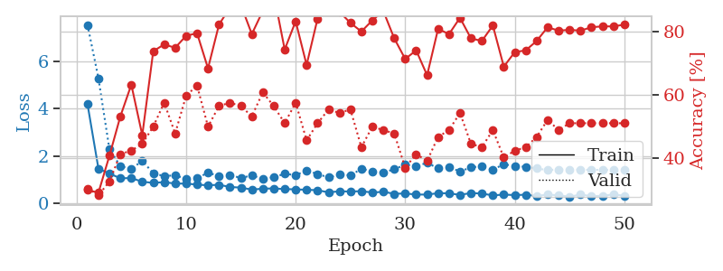
1.2328927102 | 1.7919292554 | 0.45380434783 | 0.41304347826 | 0.11585688591 | 45.380434783 | 41.304347826
1.0629708715 | 1.2636141259 | 0.55163043478 | 0.4347826087 | 0.15938663483 | 55.163043478 | 43.47826087
0.99441627316 | 1.2692688496 | 0.61413043478 | 0.45652173913 | 0.15792822838 | 61.413043478 | 45.652173913
0.9644213578 | 1.1113208429 | 0.71467391304 | 0.47826086957 | 0.11334705353 | 71.467391304 | 47.826086957
0.86672001818 | 1.0241155158 | 0.71739130435 | 0.51086956522 | 0.11601638794 | 71.739130435 | 51.086956522
0.86822153434 | 0.96699822208 | 0.72554347826 | 0.60869565217 | 0.21610593796 | 72.554347826 | 60.869565217
0.78835077649 | 0.96722924968 | 0.78804347826 | 0.55434782609 | 0.11748528481 | 78.804347826 | 55.434782609
0.747595099 | 0.9330527316 | 0.79347826087 | 0.61956521739 | 0.10750246048 | 79.347826087 | 61.956521739
0.67653257432 | 0.9535316177 | 0.80434782609 | 0.57608695652 | 0.094517230988 | 80.434782609 | 57.608695652
0.75055133778 | 1.1806881868 | 0.72010869565 | 0.54347826087 | 0.088101387024 | 72.010869565 | 54.347826087
0.65825883461 | 1.0300320231 | 0.86413043478 | 0.53260869565 | 0.087078332901 | 86.413043478 | 53.260869565
0.65833993191 | 0.96624284983 | 0.82880434783 | 0.5652173913 | 0.36166024208 | 82.880434783 | 56.52173913
0.57414625715 | 1.102187237 | 0.79347826087 | 0.5 | 0.10144329071 | 79.347826087 | 50
0.55820567971 | 1.153351763 | 0.8125 | 0.52173913043 | 0.094348669052 | 81.25 | 52.173913043
0.54760784559 | 1.0822964751 | 0.76902173913 | 0.52173913043 | 0.087149143219 | 76.902173913 | 52.173913043
0.52923914013 | 1.0630251325 | 0.8722826087 | 0.55434782609 | 0.08439707756 | 87.22826087 | 55.434782609
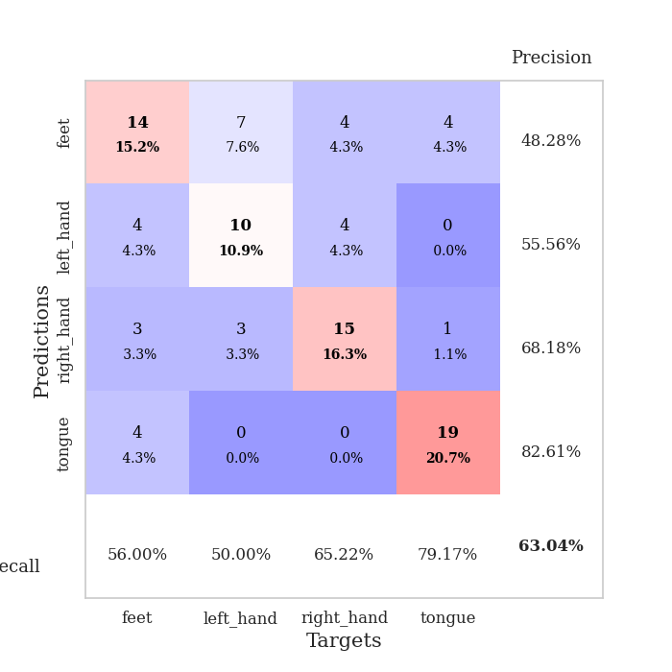
0.54974867274 | 0.98699668439 | 0.84782608696 | 0.57608695652 | 0.3276143074 | 84.782608696 | 57.608695652
0.50293346073 | 1.0503538303 | 0.88586956522 | 0.52173913043 | 0.099226474762 | 88.586956522 | 52.173913043
0.50783907201 | 1.1503921151 | 0.86413043478 | 0.5 | 0.094194889069 | 86.413043478 | 50
0.5056900382 | 1.3495811587 | 0.74456521739 | 0.47826086957 | 0.090297937393 | 74.456521739 | 47.826086957
0.49264840458 | 1.31558 | 0.76086956522 | 0.5 | 0.08488535881 | 76.086956522 | 50
0.45966263634 | 1.141163997 | 0.78804347826 | 0.51086956522 | 0.085641384125 | 78.804347826 | 51.086956522
0.41935008635 | 1.321213064 | 0.79347826087 | 0.47826086957 | 0.20706653595 | 79.347826087 | 47.826086957
0.44007208425 | 1.305984834 | 0.76630434783 | 0.5 | 0.099208593369 | 76.630434783 | 50
0.5066716807 | 1.2030548842 | 0.79619565217 | 0.53260869565 | 0.091223239899 | 79.619565217 | 53.260869565
0.46441630566 | 1.0733779824 | 0.9375 | 0.5652173913 | 0.085999965668 | 93.75 | 56.52173913
0.4059776897 | 1.1792931038 | 0.8777173913 | 0.53260869565 | 0.085304737091 | 87.77173913 | 53.260869565
0.3472612403 | 1.1227303743 | 0.89402173913 | 0.54347826087 | 0.35510087013 | 89.402173913 | 54.347826087
0.36962987418 | 1.1961196143 | 0.85326086957 | 0.53260869565 | 0.095653057098 | 85.326086957 | 53.260869565
0.32992034535 | 1.1638094653 | 0.86413043478 | 0.5652173913 | 0.092411994934 | 86.413043478 | 56.52173913
0.36460861823 | 1.247642429 | 0.8722826087 | 0.52173913043 | 0.088016033173 | 87.22826087 | 52.173913043
0.36536520396 | 1.4454492642 | 0.82608695652 | 0.40217391304 | 0.085909128189 | 82.608695652 | 40.217391304
0.33511654547 | 1.1867673397 | 0.85326086957 | 0.5652173913 | 0.08515381813 | 85.326086957 | 56.52173913
0.3141912345 | 1.3121427712 | 0.85869565217 | 0.5 | 0.10625624657 | 85.869565217 | 50
0.32839089502 | 1.3473073762 | 0.8097826087 | 0.52173913043 | 0.094205141068 | 80.97826087 | 52.173913043
0.29505854715 | 1.2933907042 | 0.83423913043 | 0.54347826087 | 0.090144634247 | 83.423913043 | 54.347826087
0.25744698229 | 1.2653879601 | 0.8097826087 | 0.54347826087 | 0.085466861725 | 80.97826087 | 54.347826087
0.29273263235 | 1.225580656 | 0.85869565217 | 0.57608695652 | 0.083985328674 | 85.869565217 | 57.608695652
0.28573072766 | 1.217641053 | 0.875 | 0.5652173913 | 0.32003235817 | 87.5 | 56.52173913
0.24273380734 | 1.1880502545 | 0.8777173913 | 0.57608695652 | 0.099220275879 | 87.77173913 | 57.608695652
0.31066010698 | 1.1879242607 | 0.8722826087 | 0.58695652174 | 0.094101190567 | 87.22826087 | 58.695652174
0.3125910367 | 1.196874178 | 0.86413043478 | 0.55434782609 | 0.090030431747 | 86.413043478 | 55.434782609
0.30577828427 | 1.1975879928 | 0.88315217391 | 0.57608695652 | 0.089537858963 | 88.315217391 | 57.608695652
0.24111182761 | 1.1957583013 | 0.88315217391 | 0.57608695652 | 0.085485219955 | 88.315217391 | 57.608695652
0.27484222437 | 1.1925713757 | 0.8777173913 | 0.57608695652 | 0.19918632507 | 87.77173913 | 57.608695652
0.30904914827 | 1.1867731239 | 0.88315217391 | 0.58695652174 | 0.099901437759 | 88.315217391 | 58.695652174
0.28880842808 | 1.1831142125 | 0.88315217391 | 0.59782608696 | 0.090826034546 | 88.315217391 | 59.782608696
0.32700200638 | 1.1787337376 | 0.88586956522 | 0.59782608696 | 0.092019319534 | 88.586956522 | 59.782608696

Best Val accuracy is 0.6195652173913043 and Best test accuracy is 0.47413793103448276

Sheet10
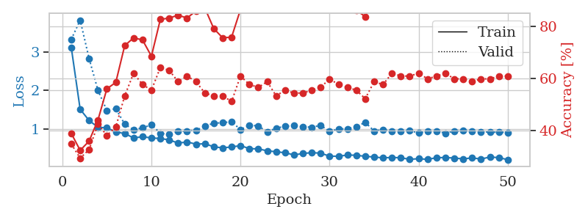
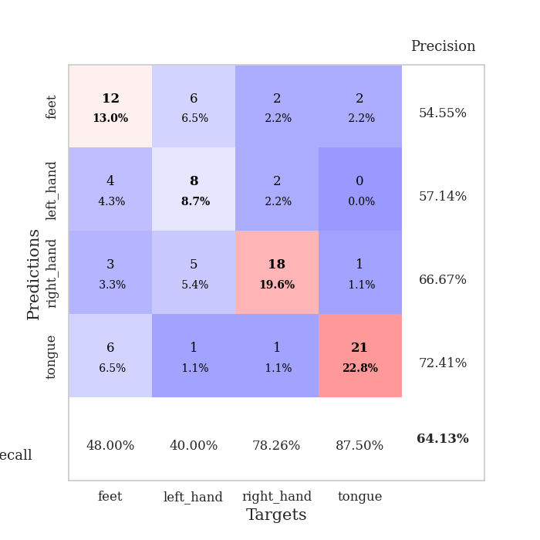
train_loss | valid_loss | train_accuracy | valid_accuracy | dur | train_misclass | valid_misclass
3.5128910904 | 2.4621070468 | 0.25 | 0.27173913043 | 0.08439040184 | 25 | 27.173913043
1.3607778212 | 2.8823965632 | 0.2527173913 | 0.26086956522 | 0.081496477127 | 25.27173913 | 26.086956522
1.1347670944 | 2.2387352715 | 0.40217391304 | 0.35869565217 | 0.081279277802 | 40.217391304 | 35.869565217
1.1531299923 | 2.4027064365 | 0.39402173913 | 0.36956521739 | 0.080899477005 | 39.402173913 | 36.956521739
1.027051042 | 1.78056974 | 0.51358695652 | 0.40217391304 | 0.081258535385 | 51.358695652 | 40.217391304
0.97593156669 | 1.4929807964 | 0.61413043478 | 0.45652173913 | 0.081411600113 | 61.413043478 | 45.652173913
0.82854961571 | 1.4683899724 | 0.6902173913 | 0.47826086957 | 0.081546783447 | 69.02173913 | 47.826086957
0.84200705782 | 1.1232817588 | 0.82065217391 | 0.55434782609 | 0.081486225128 | 82.065217391 | 55.434782609
0.75999125709 | 1.0631831936 | 0.77445652174 | 0.53260869565 | 0.081305503845 | 77.445652174 | 53.260869565
0.68099304127 | 1.0922416578 | 0.83695652174 | 0.53260869565 | 0.081221342087 | 83.695652174 | 53.260869565
0.64078519655 | 0.95922427592 | 0.83423913043 | 0.58695652174 | 0.081422567368 | 83.423913043 | 58.695652174
0.59667734089 | 1.0808908136 | 0.82336956522 | 0.59782608696 | 0.081529140472 | 82.336956522 | 59.782608696
0.5907914172 | 1.40310366 | 0.76902173913 | 0.5 | 0.081155538559 | 76.902173913 | 50
0.62379533959 | 0.9244635131 | 0.90489130435 | 0.63043478261 | 0.084775686264 | 90.489130435 | 63.043478261
0.47035217156 | 1.0800900407 | 0.84239130435 | 0.63043478261 | 0.084537744522 | 84.239130435 | 63.043478261
0.54295595573 | 0.96407435381 | 0.86141304348 | 0.67391304348 | 0.081027507782 | 86.141304348 | 67.391304348
0.40841929388 | 1.1133399087 | 0.79619565217 | 0.61956521739 | 0.081991672516 | 79.619565217 | 61.956521739
0.465771564 | 1.3927699418 | 0.70380434783 | 0.58695652174 | 0.082659244537 | 70.380434783 | 58.695652174
0.37076480168 | 1.4179083601 | 0.75543478261 | 0.60869565217 | 0.082662582397 | 75.543478261 | 60.869565217
0.40890702087 | 0.93651996099 | 0.91576086957 | 0.6847826087 | 0.082752227783 | 91.576086957 | 68.47826087
0.33384942425 | 1.0858217867 | 0.85597826087 | 0.60869565217 | 0.083031415939 | 85.597826087 | 60.869565217
0.31928454016 | 1.0301535596 | 0.85326086957 | 0.6847826087 | 0.08282995224 | 85.326086957 | 68.47826087
0.28811745896 | 0.92198336254 | 0.89673913043 | 0.72826086957 | 0.082603216171 | 89.673913043 | 72.826086957
0.30908810445 | 0.84374150634 | 0.92391304348 | 0.73913043478 | 0.082856655121 | 92.391304348 | 73.913043478
0.33260382874 | 0.86495405047 | 0.90489130435 | 0.71739130435 | 0.082878828049 | 90.489130435 | 71.739130435
0.34099982485 | 1.1735791473 | 0.8152173913 | 0.63043478261 | 0.082966089249 | 81.52173913 | 63.043478261
0.26914658422 | 0.94705753482 | 0.90760869565 | 0.71739130435 | 0.084135293961 | 90.760869565 | 71.739130435
0.25470244204 | 0.8610978295 | 0.9347826087 | 0.71739130435 | 0.081525087357 | 93.47826087 | 71.739130435
0.24246120842 | 1.0650770042 | 0.86413043478 | 0.64130434783 | 0.081373929977 | 86.413043478 | 64.130434783
0.3229053461 | 1.0510500682 | 0.88315217391 | 0.64130434783 | 0.081293821335 | 88.315217391 | 64.130434783
0.2452389018 | 1.0522568809 | 0.86956521739 | 0.63043478261 | 0.081249475479 | 86.956521739 | 63.043478261
0.25544923026 | 0.931042184 | 0.91032608696 | 0.67391304348 | 0.08099770546 | 91.032608696 | 67.391304348
0.27014397571 | 1.1304231895 | 0.86141304348 | 0.64130434783 | 0.081093788147 | 86.141304348 | 64.130434783
0.25428532226 | 0.97632487442 | 0.91032608696 | 0.67391304348 | 0.080737352371 | 91.032608696 | 67.391304348
0.21635216151 | 1.0459157157 | 0.88586956522 | 0.69565217391 | 0.080865621567 | 88.586956522 | 69.565217391
0.20785941346 | 1.1408019506 | 0.83423913043 | 0.67391304348 | 0.081207990646 | 83.423913043 | 67.391304348
0.24323157707 | 1.022875136 | 0.88315217391 | 0.69565217391 | 0.081112384796 | 88.315217391 | 69.565217391
0.17827886246 | 1.0090146091 | 0.86956521739 | 0.70652173913 | 0.080860137939 | 86.956521739 | 70.652173913
0.1899655931 | 1.0078497445 | 0.86413043478 | 0.69565217391 | 0.08140206337 | 86.413043478 | 69.565217391
0.18207826433 | 0.93726732485 | 0.88858695652 | 0.69565217391 | 0.081290721893 | 88.858695652 | 69.565217391
0.15525430101 | 0.9662456195 | 0.89130434783 | 0.69565217391 | 0.081219673157 | 89.130434783 | 69.565217391
0.18188039748 | 0.96963542311 | 0.90760869565 | 0.6847826087 | 0.080917596817 | 90.760869565 | 68.47826087
0.13532255671 | 0.99592314337 | 0.89673913043 | 0.67391304348 | 0.081021308899 | 89.673913043 | 67.391304348
0.21976652498 | 1.0054844916 | 0.89673913043 | 0.67391304348 | 0.081027030945 | 89.673913043 | 67.391304348
0.19453101233 | 1.0071023586 | 0.89402173913 | 0.67391304348 | 0.081367254257 | 89.402173913 | 67.391304348
0.18857917659 | 1.0234293808 | 0.88858695652 | 0.6847826087 | 0.08133482933 | 88.858695652 | 68.47826087
0.19219969974 | 1.0357616738 | 0.88315217391 | 0.6847826087 | 0.080991983414 | 88.315217391 | 68.47826087
0.17014569449 | 1.032674998 | 0.88858695652 | 0.6847826087 | 0.081110954285 | 88.858695652 | 68.47826087
0.1709554589 | 1.02864313 | 0.88858695652 | 0.6847826087 | 0.08074092865 | 88.858695652 | 68.47826087
0.18377988316 | 1.026857608 | 0.88858695652 | 0.69565217391 | 0.081106424332 | 88.858695652 | 69.565217391

Best Val accuracy is 0.7391304347826086 and Best test accuracy is 0.5603448275862069
train_loss | valid_loss | train_accuracy | valid_accuracy | dur | train_misclass | valid_misclass
3.1158989461 | 3.321737984 | 0.38858695652 | 0.34782608696 | 0.091027498245 | 38.858695652 | 34.782608696
1.5124220822 | 3.8185935435 | 0.32336956522 | 0.29347826087 | 0.084747552872 | 32.336956522 | 29.347826087
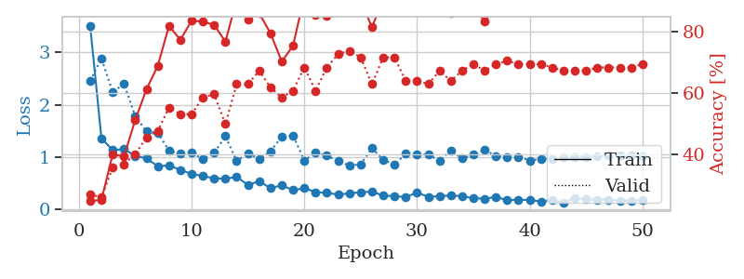
1.224374385 | 2.829572802 | 0.35869565217 | 0.32608695652 | 0.32858753204 | 35.869565217 | 32.608695652
1.0465054408 | 2.0009387265 | 0.4402173913 | 0.42391304348 | 0.095676183701 | 44.02173913 | 42.391304348
1.0340686803 | 1.4832599215 | 0.5597826087 | 0.38043478261 | 0.094448804855 | 55.97826087 | 38.043478261
0.92443915554 | 1.5286291993 | 0.58423913043 | 0.41304347826 | 0.088074922562 | 58.423913043 | 41.304347826
0.88693793701 | 1.1288599139 | 0.72554347826 | 0.53260869565 | 0.088196277618 | 72.554347826 | 53.260869565
0.77053861514 | 0.98556494454 | 0.75543478261 | 0.61956521739 | 0.20283317566 | 75.543478261 | 61.956521739
0.80434651349 | 1.0301266287 | 0.7472826087 | 0.57608695652 | 0.10348057747 | 74.72826087 | 57.608695652
0.77121575501 | 1.1135023081 | 0.6847826087 | 0.55434782609 | 0.097804546356 | 68.47826087 | 55.434782609
0.75774584646 | 0.89172977727 | 0.82608695652 | 0.64130434783 | 0.091308116913 | 82.608695652 | 64.130434783
0.72121678098 | 0.86732010997 | 0.83152173913 | 0.63043478261 | 0.085858345032 | 83.152173913 | 63.043478261
0.6378851805 | 0.93608444411 | 0.84239130435 | 0.58695652174 | 0.084820270538 | 84.239130435 | 58.695652174
0.66824013124 | 0.95273561063 | 0.83152173913 | 0.60869565217 | 0.35685491562 | 83.152173913 | 60.869565217
0.61110839248 | 0.96754253947 | 0.85869565217 | 0.58695652174 | 0.096322059631 | 85.869565217 | 58.695652174
0.62248064124 | 1.0766416684 | 0.86956521739 | 0.54347826087 | 0.092230081558 | 86.956521739 | 54.347826087
0.54197291058 | 1.1541510147 | 0.79076086957 | 0.53260869565 | 0.0880382061 | 79.076086957 | 53.260869565
0.51502653956 | 1.1642737337 | 0.75543478261 | 0.53260869565 | 0.085155725479 | 75.543478261 | 53.260869565
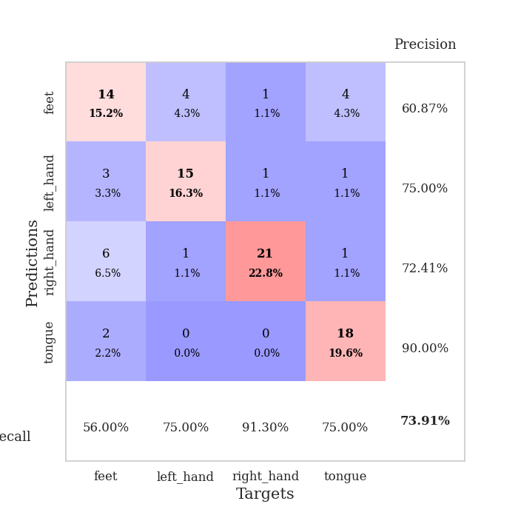
0.53863374241 | 1.1948521111 | 0.75815217391 | 0.51086956522 | 0.21829104424 | 75.815217391 | 51.086956522
0.57228404413 | 0.98510690357 | 0.86413043478 | 0.60869565217 | 0.10498762131 | 86.413043478 | 60.869565217
0.49616653116 | 1.1028599273 | 0.88858695652 | 0.57608695652 | 0.093045949936 | 88.858695652 | 57.608695652
0.48734190218 | 1.0815117722 | 0.88043478261 | 0.5652173913 | 0.089528083801 | 88.043478261 | 56.52173913
0.43976222691 | 0.92696497751 | 0.89945652174 | 0.58695652174 | 0.085209131241 | 89.945652174 | 58.695652174
0.41416660988 | 1.0259598494 | 0.8777173913 | 0.53260869565 | 0.083243131638 | 87.77173913 | 53.260869565
0.38855117689 | 1.0715855982 | 0.875 | 0.55434782609 | 0.36681222916 | 87.5 | 55.434782609
0.33282401996 | 1.0947279049 | 0.88858695652 | 0.54347826087 | 0.095874786377 | 88.858695652 | 54.347826087
0.36941686208 | 1.0616539613 | 0.90489130435 | 0.54347826087 | 0.092594146729 | 90.489130435 | 54.347826087
0.39147317086 | 1.0482397546 | 0.88858695652 | 0.55434782609 | 0.088164806366 | 88.858695652 | 55.434782609
0.37749386271 | 1.0974792734 | 0.8777173913 | 0.5652173913 | 0.085110664368 | 87.77173913 | 56.52173913
0.30011043341 | 0.94187630778 | 0.90760869565 | 0.59782608696 | 0.31802821159 | 90.760869565 | 59.782608696
0.2975302039 | 1.0031899836 | 0.88586956522 | 0.57608695652 | 0.099407434464 | 88.586956522 | 57.608695652
0.32940008135 | 1.0082031229 | 0.89673913043 | 0.5652173913 | 0.093761920929 | 89.673913043 | 56.52173913
0.32352772744 | 1.0612101503 | 0.86141304348 | 0.55434782609 | 0.090279817581 | 86.141304348 | 55.434782609
0.2964985552 | 1.1753973805 | 0.83695652174 | 0.52173913043 | 0.085433244705 | 83.695652174 | 52.173913043
0.27791275764 | 0.95082057559 | 0.91576086957 | 0.58695652174 | 0.08512377739 | 91.576086957 | 58.695652174
0.25576791783 | 0.98645189275 | 0.90217391304 | 0.57608695652 | 0.33443021774 | 90.217391304 | 57.608695652
0.26786211425 | 0.94382961677 | 0.9347826087 | 0.61956521739 | 0.097315073013 | 93.47826087 | 61.956521739
0.25797606486 | 0.94775016671 | 0.90760869565 | 0.60869565217 | 0.093236207962 | 90.760869565 | 60.869565217
0.21968221924 | 0.96558549871 | 0.91304347826 | 0.60869565217 | 0.089466333389 | 91.304347826 | 60.869565217
0.23386667896 | 0.89720187239 | 0.94836956522 | 0.61956521739 | 0.091886043549 | 94.836956522 | 61.956521739
0.2170483674 | 0.94171729554 | 0.92391304348 | 0.59782608696 | 0.10277462006 | 92.391304348 | 59.782608696
0.26004988765 | 0.94880858452 | 0.91032608696 | 0.60869565217 | 0.1061873436 | 91.032608696 | 60.869565217
0.2655388329 | 0.89564522453 | 0.93206521739 | 0.61956521739 | 0.093879461288 | 93.206521739 | 61.956521739
0.25108084763 | 0.94767935639 | 0.91847826087 | 0.59782608696 | 0.091138124466 | 91.847826087 | 59.782608696
0.23031860055 | 0.95446041356 | 0.91576086957 | 0.59782608696 | 0.086699485779 | 91.576086957 | 59.782608696
0.25496665388 | 0.95356978282 | 0.91576086957 | 0.58695652174 | 0.085117101669 | 91.576086957 | 58.695652174
0.22592463668 | 0.93298348396 | 0.91847826087 | 0.59782608696 | 0.3336122036 | 91.847826087 | 59.782608696
0.27747370367 | 0.92281811134 | 0.92119565217 | 0.59782608696 | 0.096797704697 | 92.119565217 | 59.782608696
0.2627496512 | 0.91786453776 | 0.92663043478 | 0.60869565217 | 0.093459606171 | 92.663043478 | 60.869565217
0.20914504758 | 0.91469429628 | 0.92663043478 | 0.60869565217 | 0.089916467667 | 92.663043478 | 60.869565217

Best Val accuracy is 0.6413043478260869 and Best test accuracy is 0.5

