Sheet
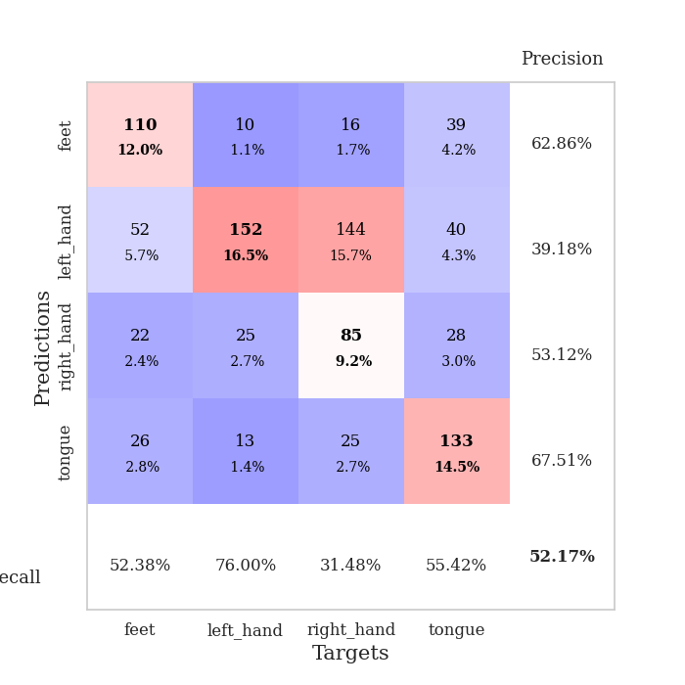
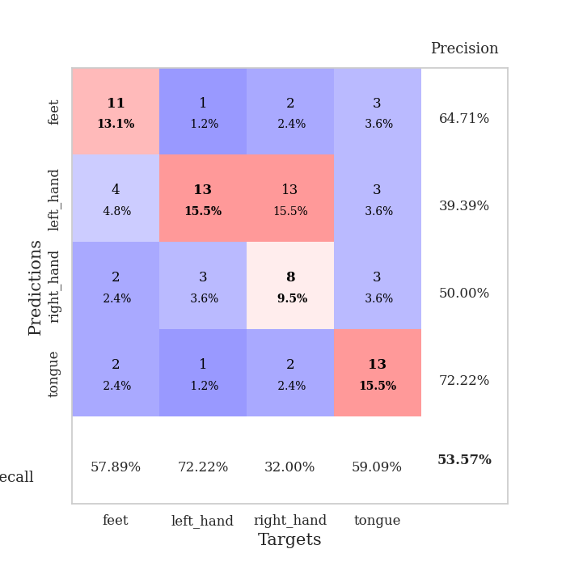
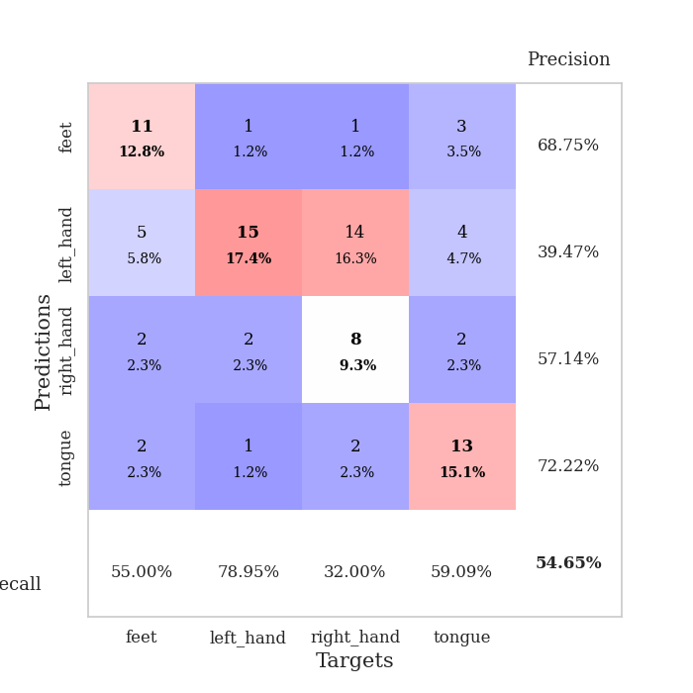
best_val_acc | best_val_los | best_test_acc
0.54347826087 | 1.1421010235 | 0.43103448276
0.53260869565 | 1.3172469165 | 0.43965517241
0.48913043478 | 1.2692246385 | 0.4224137931
0.55434782609 | 1.2617471296 | 0.44827586207
0.51086956522 | 1.1271485038 | 0.4224137931
0.52173913043 | 1.2483401635 | 0.37068965517
0.47826086957 | 1.2094481302 | 0.43965517241
0.53260869565 | 1.1243290668 | 0.47413793103
0.46739130435 | 1.2170740781 | 0.38793103448
0.54347826087 | 1.3572253144 | 0.43965517241

Mean,std Val accuracy is 0.5173913043478262 , 0.02996532337410917 and mean, std test accuracy is 0.4275862068965517 , 0.029640912547649712
best_val_acc | best_val_los | best_test_acc
0.46739130435 | 1.2389395444 | 0.45689655172
0.48913043478 | 1.2177855787 | 0.39655172414
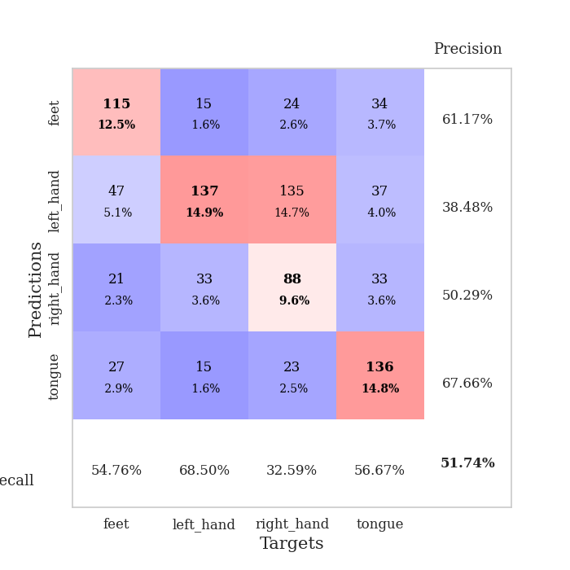
0.53260869565 | 1.2178946733 | 0.43965517241
0.5 | 1.3285844689 | 0.44827586207
0.54347826087 | 1.3554389218 | 0.43965517241
0.54347826087 | 1.2888397834 | 0.48275862069
0.57608695652 | 1.118485062 | 0.50862068966
0.5652173913 | 1.2413868749 | 0.45689655172
0.45652173913 | 1.2986845296 | 0.4224137931
0.54347826087 | 1.3108771521 | 0.43965517241

Mean,std Val accuracy is 0.5217391304347826 , 0.0409916974600897 and mean, std test accuracy is 0.44913793103448274 , 0.030802131484739335

Sheet1
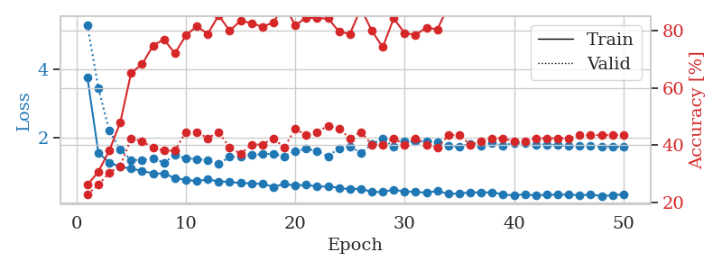
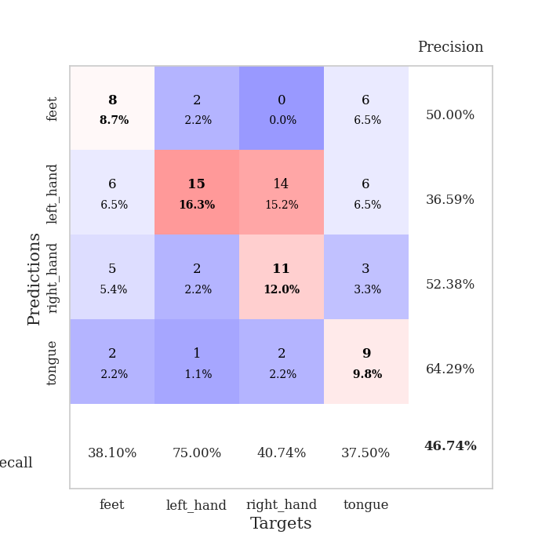
train_loss | valid_loss | train_accuracy | valid_accuracy | dur | train_misclass | valid_misclass
3.8949030275 | 9.1530898965 | 0.25543478261 | 0.21739130435 | 0.084158658981 | 25.543478261 | 21.739130435
1.5595078727 | 2.5212456662 | 0.27989130435 | 0.29347826087 | 0.081352233887 | 27.989130435 | 29.347826087
1.2636790535 | 2.415026219 | 0.35869565217 | 0.30434782609 | 0.080767154694 | 35.869565217 | 30.434782609
1.1724206831 | 1.4812238735 | 0.53260869565 | 0.35869565217 | 0.080637931824 | 53.260869565 | 35.869565217
1.0403737011 | 1.3083761205 | 0.65217391304 | 0.42391304348 | 0.080738782883 | 65.217391304 | 42.391304348
0.94784074763 | 1.1770578675 | 0.69836956522 | 0.45652173913 | 0.080604553223 | 69.836956522 | 45.652173913
0.96060833464 | 1.2259033089 | 0.70380434783 | 0.4347826087 | 0.080700874329 | 70.380434783 | 43.47826087
0.85657318001 | 1.1755385062 | 0.74456521739 | 0.52173913043 | 0.080526351929 | 74.456521739 | 52.173913043
0.84517927533 | 1.1421010235 | 0.73913043478 | 0.54347826087 | 0.080748558044 | 73.913043478 | 54.347826087
0.82673572976 | 1.2487831997 | 0.75 | 0.47826086957 | 0.080873966217 | 75 | 47.826086957
0.79649055522 | 1.2159195387 | 0.77173913043 | 0.46739130435 | 0.081100225449 | 77.173913043 | 46.739130435
0.76844732658 | 1.4540017221 | 0.6902173913 | 0.46739130435 | 0.080780982971 | 69.02173913 | 46.739130435
0.74715706447 | 1.658566646 | 0.61684782609 | 0.39130434783 | 0.081802845001 | 61.684782609 | 39.130434783
0.76686005489 | 1.4842582164 | 0.67934782609 | 0.4347826087 | 0.08093214035 | 67.934782609 | 43.47826087
0.69726521684 | 1.3302557468 | 0.69836956522 | 0.5 | 0.080913066864 | 69.836956522 | 50
0.61129179726 | 1.4221212397 | 0.75815217391 | 0.51086956522 | 0.080880403519 | 75.815217391 | 51.086956522
0.61479962779 | 1.4255365548 | 0.72282608696 | 0.48913043478 | 0.080998182297 | 72.282608696 | 48.913043478
0.62293804599 | 1.470091006 | 0.76358695652 | 0.48913043478 | 0.080747842789 | 76.358695652 | 48.913043478
0.59016811783 | 1.7097276657 | 0.73913043478 | 0.42391304348 | 0.081043243408 | 73.913043478 | 42.391304348
0.57731099751 | 1.6753014637 | 0.72010869565 | 0.46739130435 | 0.080939292908 | 72.010869565 | 46.739130435
0.52701132388 | 1.464587932 | 0.72826086957 | 0.51086956522 | 0.081015825272 | 72.826086957 | 51.086956522
0.55567089306 | 1.5354125811 | 0.70923913043 | 0.5 | 0.081185102463 | 70.923913043 | 50
0.49436313886 | 1.6856766836 | 0.67391304348 | 0.48913043478 | 0.080883741379 | 67.391304348 | 48.913043478
0.48931991665 | 1.7151752399 | 0.69836956522 | 0.47826086957 | 0.080908536911 | 69.836956522 | 47.826086957
0.48649533676 | 1.9895995648 | 0.64945652174 | 0.36956521739 | 0.080786943436 | 64.945652174 | 36.956521739
0.47250858662 | 1.5944686506 | 0.79076086957 | 0.46739130435 | 0.080953598022 | 79.076086957 | 46.739130435
0.44291558603 | 1.6349292268 | 0.73097826087 | 0.46739130435 | 0.080874443054 | 73.097826087 | 46.739130435
0.44410124356 | 1.7395831398 | 0.70652173913 | 0.44565217391 | 0.080950975418 | 70.652173913 | 44.565217391
0.44958580188 | 1.7341660572 | 0.72010869565 | 0.4347826087 | 0.080940961838 | 72.010869565 | 43.47826087
0.45251213856 | 1.746243057 | 0.72282608696 | 0.4347826087 | 0.080808162689 | 72.282608696 | 43.47826087
0.39512007586 | 1.5352284338 | 0.76630434783 | 0.51086956522 | 0.080880403519 | 76.630434783 | 51.086956522
0.39038885288 | 1.7032711869 | 0.7527173913 | 0.48913043478 | 0.081066131592 | 75.27173913 | 48.913043478
0.33656351851 | 1.6969807148 | 0.74456521739 | 0.48913043478 | 0.080763101578 | 74.456521739 | 48.913043478
0.36474222593 | 1.5816025889 | 0.77989130435 | 0.47826086957 | 0.080690145493 | 77.989130435 | 47.826086957
0.35366427769 | 1.6924749665 | 0.73913043478 | 0.47826086957 | 0.080877780914 | 73.913043478 | 47.826086957
0.294990892 | 1.6435353186 | 0.7527173913 | 0.48913043478 | 0.080901622772 | 75.27173913 | 48.913043478
0.33926967337 | 1.6847084968 | 0.76358695652 | 0.5 | 0.080969810486 | 76.358695652 | 50
0.32430276793 | 1.5771472506 | 0.79619565217 | 0.51086956522 | 0.080746173859 | 79.619565217 | 51.086956522
0.33251881664 | 1.6716636834 | 0.77445652174 | 0.5 | 0.080978631973 | 77.445652174 | 50
0.2895451065 | 1.7039526805 | 0.76086956522 | 0.48913043478 | 0.081267118454 | 76.086956522 | 48.913043478
0.30424067151 | 1.6204853058 | 0.79891304348 | 0.51086956522 | 0.081065177917 | 79.891304348 | 51.086956522
0.26212810725 | 1.5457877854 | 0.82336956522 | 0.52173913043 | 0.080935001373 | 82.336956522 | 52.173913043
0.31063478796 | 1.6225926254 | 0.8097826087 | 0.5 | 0.080903530121 | 80.97826087 | 50
0.33354732005 | 1.6154619404 | 0.80163043478 | 0.48913043478 | 0.080956935883 | 80.163043478 | 48.913043478
0.28893399174 | 1.6190356379 | 0.80706521739 | 0.5 | 0.081027030945 | 80.706521739 | 50
0.26562175705 | 1.6343817348 | 0.80163043478 | 0.51086956522 | 0.080929994583 | 80.163043478 | 51.086956522
0.30270806344 | 1.6331337017 | 0.8097826087 | 0.51086956522 | 0.080990791321 | 80.97826087 | 51.086956522
0.29010850062 | 1.6274955325 | 0.8152173913 | 0.51086956522 | 0.080998420715 | 81.52173913 | 51.086956522
0.23928970973 | 1.623457665 | 0.81793478261 | 0.51086956522 | 0.080877304077 | 81.793478261 | 51.086956522
0.28404478599 | 1.6214728822 | 0.81793478261 | 0.51086956522 | 0.080845355988 | 81.793478261 | 51.086956522

Best Val accuracy is 0.5434782608695652 and Best test accuracy is 0.43103448275862066
train_loss | valid_loss | train_accuracy | valid_accuracy | dur | train_misclass | valid_misclass
3.7639248734 | 5.2987426468 | 0.26086956522 | 0.22826086957 | 0.36358785629 | 26.086956522 | 22.826086957
1.5723711926 | 3.4585867654 | 0.30706521739 | 0.26086956522 | 0.093985319138 | 30.706521739 | 26.086956522
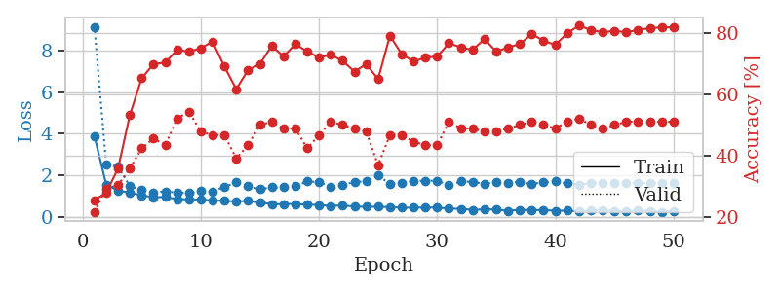
1.2830992367 | 2.2134379408 | 0.38043478261 | 0.30434782609 | 0.09046792984 | 38.043478261 | 30.434782609
1.1563498767 | 1.6628387285 | 0.47826086957 | 0.32608695652 | 0.086418390274 | 47.826086957 | 32.608695652
1.103227973 | 1.3557008609 | 0.65217391304 | 0.42391304348 | 0.084705114365 | 65.217391304 | 42.391304348
1.0416728958 | 1.3520618366 | 0.68206521739 | 0.41304347826 | 0.31967544556 | 68.206521739 | 41.304347826
0.96255145643 | 1.411558089 | 0.7472826087 | 0.39130434783 | 0.096456766129 | 74.72826087 | 39.130434783
0.96225759776 | 1.2770433892 | 0.76902173913 | 0.38043478261 | 0.097219228745 | 76.902173913 | 38.043478261
0.82895939765 | 1.5004068924 | 0.72010869565 | 0.38043478261 | 0.089218378067 | 72.010869565 | 38.043478261
0.77490623619 | 1.4020613847 | 0.78260869565 | 0.44565217391 | 0.085073232651 | 78.260869565 | 44.565217391
0.74085656715 | 1.3879254849 | 0.8152173913 | 0.44565217391 | 0.085357666016 | 81.52173913 | 44.565217391
0.78741974157 | 1.336901473 | 0.78804347826 | 0.42391304348 | 0.20690989494 | 78.804347826 | 42.391304348
0.73304863468 | 1.2389395444 | 0.85326086957 | 0.44565217391 | 0.095425367355 | 85.326086957 | 44.565217391
0.71768689544 | 1.449825603 | 0.79891304348 | 0.39130434783 | 0.091559410095 | 79.891304348 | 39.130434783
0.68316617867 | 1.4569596363 | 0.83423913043 | 0.36956521739 | 0.087712287903 | 83.423913043 | 36.956521739
0.6767298793 | 1.5022735129 | 0.82608695652 | 0.40217391304 | 0.084677219391 | 82.608695652 | 40.217391304
0.65797328042 | 1.5273166999 | 0.8125 | 0.40217391304 | 0.24501156807 | 81.25 | 40.217391304
0.574111564 | 1.5377019229 | 0.82880434783 | 0.42391304348 | 0.10395169258 | 82.880434783 | 42.391304348
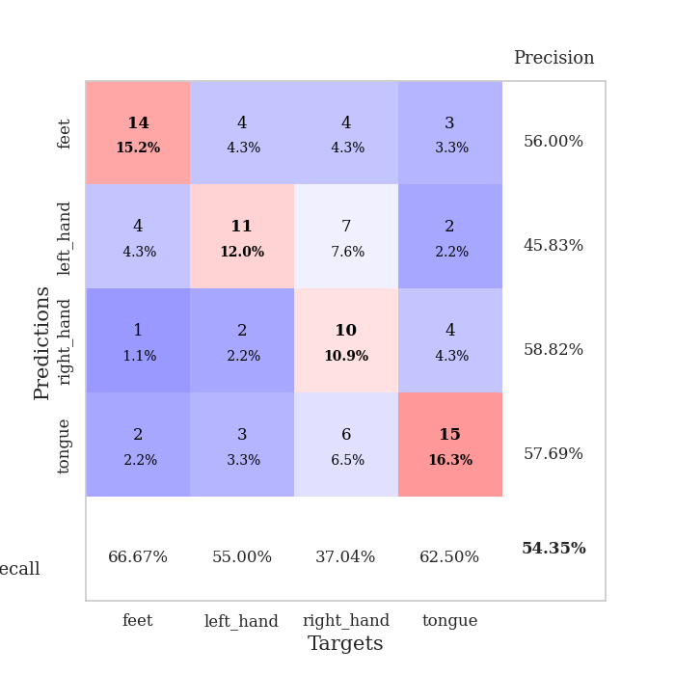
0.65784466785 | 1.4564097083 | 0.88858695652 | 0.39130434783 | 0.097502231598 | 88.858695652 | 39.130434783
0.60366208787 | 1.6166540695 | 0.81793478261 | 0.45652173913 | 0.090524673462 | 81.793478261 | 45.652173913
0.6392693105 | 1.6812015772 | 0.84510869565 | 0.4347826087 | 0.086006402969 | 84.510869565 | 43.47826087
0.57925095765 | 1.6237027386 | 0.84239130435 | 0.44565217391 | 0.084859848022 | 84.239130435 | 44.565217391
0.5869367317 | 1.4641500919 | 0.84239130435 | 0.46739130435 | 0.34198975563 | 84.239130435 | 46.739130435
0.54461309832 | 1.701033162 | 0.79619565217 | 0.45652173913 | 0.095405101776 | 79.619565217 | 45.652173913
0.50293218053 | 1.7531092426 | 0.78804347826 | 0.42391304348 | 0.091925621033 | 78.804347826 | 42.391304348
0.51950889113 | 1.561159305 | 0.8777173913 | 0.44565217391 | 0.088522195816 | 87.77173913 | 44.565217391
0.4237934176 | 1.8176113056 | 0.79891304348 | 0.40217391304 | 0.084707736969 | 79.891304348 | 40.217391304
0.42455717792 | 1.9760229277 | 0.74184782609 | 0.40217391304 | 0.086627244949 | 74.184782609 | 40.217391304
0.49211659185 | 1.7310483611 | 0.84239130435 | 0.42391304348 | 0.1093146801 | 84.239130435 | 42.391304348
0.43466458113 | 1.8942267014 | 0.79076086957 | 0.40217391304 | 0.093721389771 | 79.076086957 | 40.217391304
0.43231802596 | 1.8974163843 | 0.78532608696 | 0.42391304348 | 0.090093135834 | 78.532608696 | 42.391304348
0.39808098713 | 1.9097565153 | 0.8097826087 | 0.40217391304 | 0.085997343063 | 80.97826087 | 40.217391304
0.45646439752 | 1.8857095553 | 0.80434782609 | 0.39130434783 | 0.08429479599 | 80.434782609 | 39.130434783
0.36962163578 | 1.7596658365 | 0.88586956522 | 0.4347826087 | 0.3222155571 | 88.586956522 | 43.47826087
0.37589295468 | 1.7435137085 | 0.91032608696 | 0.4347826087 | 0.098296165466 | 91.032608696 | 43.47826087
0.41523974875 | 1.8306539784 | 0.89130434783 | 0.40217391304 | 0.094789981842 | 89.130434783 | 40.217391304
0.40705182824 | 1.7759737139 | 0.91576086957 | 0.41304347826 | 0.089569330215 | 91.576086957 | 41.304347826
0.41487973734 | 1.8385440318 | 0.89673913043 | 0.42391304348 | 0.086282491684 | 89.673913043 | 42.391304348
0.35289793364 | 1.7730390922 | 0.91304347826 | 0.42391304348 | 0.08497595787 | 91.304347826 | 42.391304348
0.32351025809 | 1.8544091142 | 0.88858695652 | 0.41304347826 | 0.26105523109 | 88.858695652 | 41.304347826
0.36147656195 | 1.8561427334 | 0.88858695652 | 0.41304347826 | 0.094736814499 | 88.858695652 | 41.304347826
0.31788125829 | 1.8059271315 | 0.91032608696 | 0.42391304348 | 0.090859889984 | 91.032608696 | 42.391304348
0.34414400096 | 1.8046123308 | 0.91576086957 | 0.42391304348 | 0.086736679077 | 91.576086957 | 42.391304348
0.34187037077 | 1.7888957521 | 0.92391304348 | 0.42391304348 | 0.08575630188 | 92.391304348 | 42.391304348
0.34864872305 | 1.7687610906 | 0.92663043478 | 0.42391304348 | 0.17744874954 | 92.663043478 | 42.391304348
0.32546341419 | 1.7619695508 | 0.92663043478 | 0.4347826087 | 0.10278844833 | 92.663043478 | 43.47826087
0.34313453831 | 1.7572919856 | 0.92934782609 | 0.4347826087 | 0.092845201492 | 92.934782609 | 43.47826087
0.30725476405 | 1.752291726 | 0.9375 | 0.4347826087 | 0.089680194855 | 93.75 | 43.47826087
0.32793236491 | 1.7469123861 | 0.9402173913 | 0.4347826087 | 0.085617780685 | 94.02173913 | 43.47826087
0.35869248568 | 1.7429147648 | 0.94293478261 | 0.4347826087 | 0.084705591202 | 94.293478261 | 43.47826087

Best Val accuracy is 0.4673913043478261 and Best test accuracy is 0.45689655172413796

Sheet2
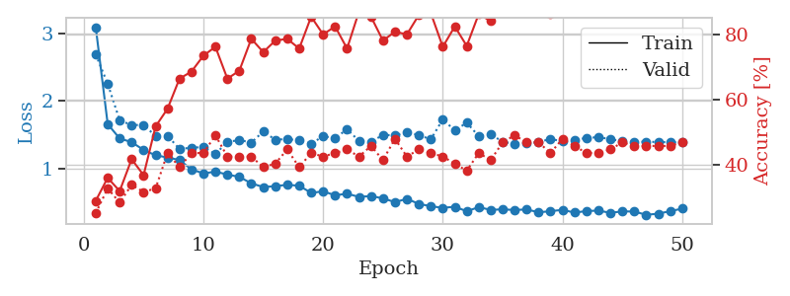
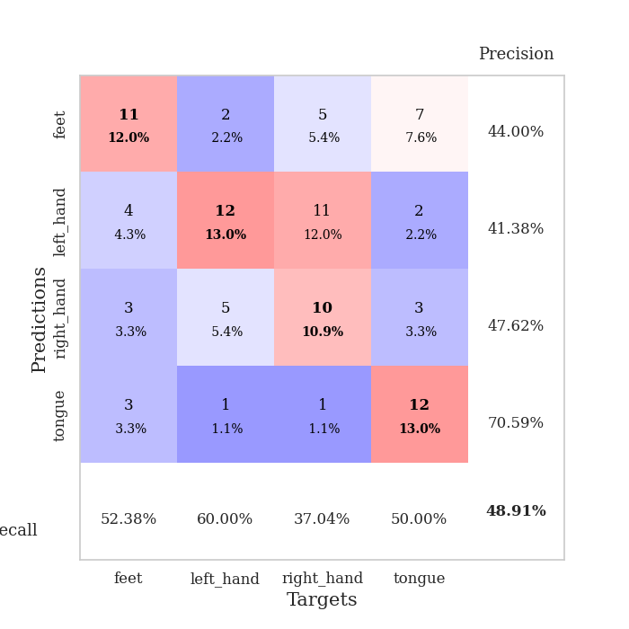
train_loss | valid_loss | train_accuracy | valid_accuracy | dur | train_misclass | valid_misclass
3.0927757595 | 2.978860399 | 0.2527173913 | 0.26086956522 | 0.084732055664 | 25.27173913 | 26.086956522
1.6316837746 | 1.802233582 | 0.3152173913 | 0.3152173913 | 0.082349777222 | 31.52173913 | 31.52173913
1.2928631332 | 1.7508862226 | 0.36956521739 | 0.34782608696 | 0.081998348236 | 36.956521739 | 34.782608696
1.1862125915 | 1.4550905487 | 0.50815217391 | 0.39130434783 | 0.081991910934 | 50.815217391 | 39.130434783
1.1141132868 | 1.3366224351 | 0.60869565217 | 0.39130434783 | 0.081981897354 | 60.869565217 | 39.130434783
1.005937781 | 1.3998692606 | 0.68206521739 | 0.41304347826 | 0.081645727158 | 68.206521739 | 41.304347826
0.96130808799 | 1.3333393569 | 0.72826086957 | 0.45652173913 | 0.081790447235 | 72.826086957 | 45.652173913
0.89426162969 | 1.3914320676 | 0.69565217391 | 0.4347826087 | 0.08203291893 | 69.565217391 | 43.47826087
0.91680644258 | 1.5281751311 | 0.70108695652 | 0.45652173913 | 0.08131146431 | 70.108695652 | 45.652173913
0.85506861106 | 2.0214190483 | 0.4347826087 | 0.30434782609 | 0.081201314926 | 43.47826087 | 30.434782609
0.8342485376 | 1.3172469165 | 0.75543478261 | 0.48913043478 | 0.081708669662 | 75.543478261 | 48.913043478
0.74108479852 | 1.3898595727 | 0.74456521739 | 0.4347826087 | 0.081309318542 | 74.456521739 | 43.47826087
0.74499148908 | 1.5125543812 | 0.73097826087 | 0.4347826087 | 0.084233522415 | 73.097826087 | 43.47826087
0.6498390177 | 2.2822822695 | 0.4972826087 | 0.34782608696 | 0.080781698227 | 49.72826087 | 34.782608696
0.65612522156 | 1.4584212459 | 0.74184782609 | 0.48913043478 | 0.080698013306 | 74.184782609 | 48.913043478
0.61256782387 | 1.492174247 | 0.76086956522 | 0.46739130435 | 0.080641031265 | 76.086956522 | 46.739130435
0.57036853096 | 1.4192686755 | 0.84239130435 | 0.46739130435 | 0.080511569977 | 84.239130435 | 46.739130435
0.57222035462 | 1.7237846696 | 0.73369565217 | 0.44565217391 | 0.080257415771 | 73.369565217 | 44.565217391
0.5319905294 | 1.492356233 | 0.83967391304 | 0.45652173913 | 0.080580711365 | 83.967391304 | 45.652173913
0.43107808867 | 1.6038031941 | 0.78804347826 | 0.46739130435 | 0.080829381943 | 78.804347826 | 46.739130435
0.4988580087 | 1.6438335128 | 0.77989130435 | 0.45652173913 | 0.080872535706 | 77.989130435 | 45.652173913
0.48267865958 | 1.5755928185 | 0.83423913043 | 0.48913043478 | 0.080734014511 | 83.423913043 | 48.913043478
0.47368009356 | 1.6826350585 | 0.78804347826 | 0.46739130435 | 0.081152200699 | 78.804347826 | 46.739130435
0.39872886629 | 1.6773012358 | 0.78260869565 | 0.45652173913 | 0.080955028534 | 78.260869565 | 45.652173913
0.41486638914 | 1.6377555495 | 0.80434782609 | 0.51086956522 | 0.080873727798 | 80.434782609 | 51.086956522
0.32781475847 | 1.9008509594 | 0.73369565217 | 0.42391304348 | 0.081412553787 | 73.369565217 | 42.391304348
0.35867049837 | 1.9635012046 | 0.73097826087 | 0.42391304348 | 0.08096575737 | 73.097826087 | 42.391304348
0.42322806237 | 1.9715954584 | 0.76358695652 | 0.4347826087 | 0.080661535263 | 76.358695652 | 43.47826087
0.414464648 | 1.8395999774 | 0.77445652174 | 0.45652173913 | 0.080874443054 | 77.445652174 | 45.652173913
0.34722639167 | 1.6884088516 | 0.84510869565 | 0.46739130435 | 0.081134796143 | 84.510869565 | 46.739130435
0.29136951009 | 1.7541711901 | 0.82065217391 | 0.48913043478 | 0.081234931946 | 82.065217391 | 48.913043478
0.32037237902 | 1.8275708219 | 0.77173913043 | 0.44565217391 | 0.080822706223 | 77.173913043 | 44.565217391
0.25685493778 | 1.8678062895 | 0.77173913043 | 0.4347826087 | 0.080523729324 | 77.173913043 | 43.47826087
0.29449873774 | 1.7962868887 | 0.80163043478 | 0.41304347826 | 0.080707788467 | 80.163043478 | 41.304347826
0.29819362481 | 1.6732200747 | 0.83967391304 | 0.51086956522 | 0.080945253372 | 83.967391304 | 51.086956522
0.28831853361 | 1.8184985544 | 0.80434782609 | 0.4347826087 | 0.080618858337 | 80.434782609 | 43.47826087
0.2867616117 | 1.6829011077 | 0.86684782609 | 0.47826086957 | 0.080846071243 | 86.684782609 | 47.826086957
0.21710647124 | 1.7543033672 | 0.85869565217 | 0.46739130435 | 0.080756902695 | 85.869565217 | 46.739130435
0.24557233116 | 1.774005356 | 0.86956521739 | 0.5 | 0.080973863602 | 86.956521739 | 50
0.25025138939 | 1.7668631025 | 0.85597826087 | 0.46739130435 | 0.080759763718 | 85.597826087 | 46.739130435
0.25684419663 | 1.7483404408 | 0.85326086957 | 0.48913043478 | 0.080916166306 | 85.326086957 | 48.913043478
0.19789517995 | 1.7595156949 | 0.86141304348 | 0.46739130435 | 0.080812215805 | 86.141304348 | 46.739130435
0.22713109422 | 1.7840567257 | 0.85869565217 | 0.47826086957 | 0.080866336823 | 85.869565217 | 47.826086957
0.24772625611 | 1.7341920656 | 0.86684782609 | 0.48913043478 | 0.080802202225 | 86.684782609 | 48.913043478
0.21439544273 | 1.7415762259 | 0.8722826087 | 0.48913043478 | 0.080861330032 | 87.22826087 | 48.913043478
0.23746838939 | 1.7276361248 | 0.8777173913 | 0.5 | 0.080586910248 | 87.77173913 | 50
0.27434549286 | 1.70004132 | 0.88586956522 | 0.53260869565 | 0.080851554871 | 88.586956522 | 53.260869565
0.24669919617 | 1.6896997068 | 0.89130434783 | 0.53260869565 | 0.081105709076 | 89.130434783 | 53.260869565
0.2578891634 | 1.6806930718 | 0.89945652174 | 0.53260869565 | 0.080803394318 | 89.945652174 | 53.260869565
0.21882270795 | 1.6743227762 | 0.90217391304 | 0.53260869565 | 0.080968379974 | 90.217391304 | 53.260869565

Best Val accuracy is 0.532608695652174 and Best test accuracy is 0.4396551724137931
train_loss | valid_loss | train_accuracy | valid_accuracy | dur | train_misclass | valid_misclass
3.0935495055 | 2.6891648147 | 0.28804347826 | 0.25 | 0.094336509705 | 28.804347826 | 25
1.6609376202 | 2.2567882486 | 0.35869565217 | 0.32608695652 | 0.088489532471 | 35.869565217 | 32.608695652
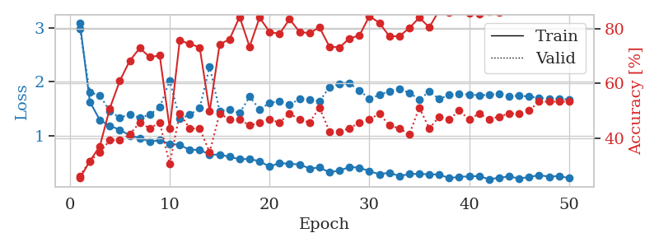
1.4475958969 | 1.7172929152 | 0.31793478261 | 0.28260869565 | 0.085000991821 | 31.793478261 | 28.260869565
1.3937795318 | 1.6451636035 | 0.41576086957 | 0.33695652174 | 0.14696955681 | 41.576086957 | 33.695652174
1.2782427902 | 1.6492490768 | 0.36684782609 | 0.3152173913 | 0.1039185524 | 36.684782609 | 31.52173913
1.1990315448 | 1.4834337597 | 0.51630434783 | 0.32608695652 | 0.092623233795 | 51.630434783 | 32.608695652
1.1675299354 | 1.4879498845 | 0.57065217391 | 0.4347826087 | 0.089802026749 | 57.065217391 | 43.47826087
1.128121008 | 1.2915004388 | 0.66304347826 | 0.39130434783 | 0.085333108902 | 66.304347826 | 39.130434783
0.99138093513 | 1.3132035862 | 0.6847826087 | 0.4347826087 | 0.084418058395 | 68.47826087 | 43.47826087
0.93056080134 | 1.3191147939 | 0.73369565217 | 0.4347826087 | 0.32173228264 | 73.369565217 | 43.47826087
0.9578285295 | 1.2177855787 | 0.76086956522 | 0.48913043478 | 0.097692966461 | 76.086956522 | 48.913043478
0.914441811 | 1.396468572 | 0.66304347826 | 0.42391304348 | 0.093608856201 | 66.304347826 | 42.391304348
0.88025463405 | 1.424781903 | 0.6875 | 0.42391304348 | 0.089574813843 | 68.75 | 42.391304348
0.78414714855 | 1.3869960101 | 0.78532608696 | 0.42391304348 | 0.085103988647 | 78.532608696 | 42.391304348
0.7297299906 | 1.5507702776 | 0.74456521739 | 0.39130434783 | 0.085365772247 | 74.456521739 | 39.130434783
0.74246805129 | 1.4291133881 | 0.77989130435 | 0.40217391304 | 0.21656107903 | 77.989130435 | 40.217391304
0.76313410894 | 1.4398443699 | 0.78532608696 | 0.44565217391 | 0.094369411469 | 78.532608696 | 44.565217391
0.7492313683 | 1.4185846292 | 0.75543478261 | 0.39130434783 | 0.094207525253 | 75.543478261 | 39.130434783
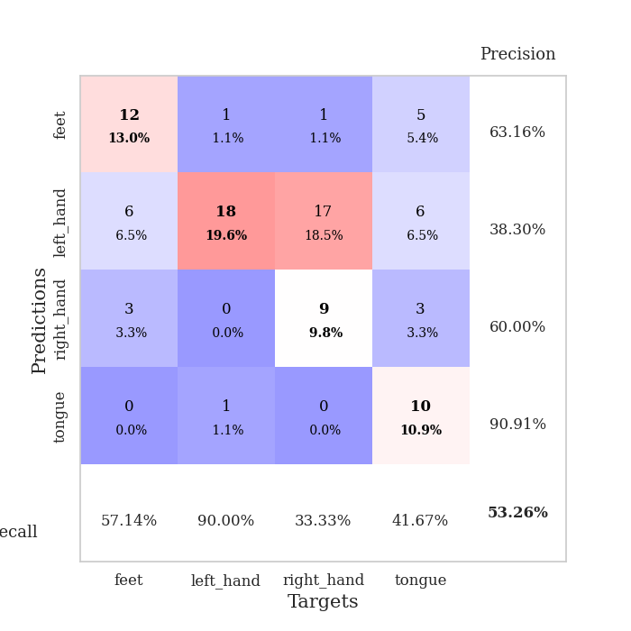
0.64343181123 | 1.3705812719 | 0.85326086957 | 0.4347826087 | 0.086675167084 | 85.326086957 | 43.47826087
0.66616565896 | 1.4807768283 | 0.79891304348 | 0.42391304348 | 0.085786104202 | 79.891304348 | 42.391304348
0.60780167709 | 1.452346496 | 0.82336956522 | 0.4347826087 | 0.36343693733 | 82.336956522 | 43.47826087
0.63126012683 | 1.5840629495 | 0.75543478261 | 0.44565217391 | 0.09595656395 | 75.543478261 | 44.565217391
0.58406563298 | 1.411744877 | 0.86956521739 | 0.42391304348 | 0.092612981796 | 86.956521739 | 42.391304348
0.59679789258 | 1.3948535245 | 0.85326086957 | 0.45652173913 | 0.088639497757 | 85.326086957 | 45.652173913
0.56235075645 | 1.501578077 | 0.77989130435 | 0.41304347826 | 0.085388660431 | 77.989130435 | 41.304347826
0.50704834643 | 1.4928254356 | 0.80706521739 | 0.47826086957 | 0.085959672928 | 80.706521739 | 47.826086957
0.55522423983 | 1.5404114879 | 0.79891304348 | 0.42391304348 | 0.10205793381 | 79.891304348 | 42.391304348
0.48053827558 | 1.4974007192 | 0.85869565217 | 0.44565217391 | 0.093664646149 | 85.869565217 | 44.565217391
0.44615215128 | 1.4347658468 | 0.86413043478 | 0.4347826087 | 0.09002161026 | 86.413043478 | 43.47826087
0.42210726181 | 1.7307244228 | 0.76086956522 | 0.42391304348 | 0.088129281998 | 76.086956522 | 42.391304348
0.43861729036 | 1.5663413328 | 0.82336956522 | 0.40217391304 | 0.087911844254 | 82.336956522 | 40.217391304
0.37190705084 | 1.6807066047 | 0.76358695652 | 0.38043478261 | 0.35540008545 | 76.358695652 | 38.043478261
0.43276555901 | 1.4820240373 | 0.86141304348 | 0.4347826087 | 0.096323490143 | 86.141304348 | 43.47826087
0.39207035562 | 1.5140040024 | 0.83967391304 | 0.41304347826 | 0.092077732086 | 83.967391304 | 41.304347826
0.40061730341 | 1.3959188513 | 0.91304347826 | 0.46739130435 | 0.088216781616 | 91.304347826 | 46.739130435
0.39009826404 | 1.3708709582 | 0.90489130435 | 0.48913043478 | 0.085423231125 | 90.489130435 | 48.913043478
0.39930846898 | 1.3795081118 | 0.90217391304 | 0.46739130435 | 0.31455111504 | 90.217391304 | 46.739130435
0.35616151924 | 1.3926816971 | 0.88858695652 | 0.46739130435 | 0.097383737564 | 88.858695652 | 46.739130435
0.3726373723 | 1.4412595189 | 0.86141304348 | 0.4347826087 | 0.093567371368 | 86.141304348 | 43.47826087
0.39297511591 | 1.4045938668 | 0.89945652174 | 0.47826086957 | 0.090140581131 | 89.945652174 | 47.826086957
0.35194428427 | 1.4293094718 | 0.90217391304 | 0.45652173913 | 0.085186004639 | 90.217391304 | 45.652173913
0.37462664282 | 1.4536349151 | 0.89945652174 | 0.4347826087 | 0.085032939911 | 89.945652174 | 43.47826087
0.38178628877 | 1.4678877592 | 0.88043478261 | 0.4347826087 | 0.33685207367 | 88.043478261 | 43.47826087
0.34828205731 | 1.437456924 | 0.90489130435 | 0.44565217391 | 0.094779491425 | 90.489130435 | 44.565217391
0.37000240062 | 1.4066591885 | 0.90760869565 | 0.46739130435 | 0.091325044632 | 90.760869565 | 46.739130435
0.36776298932 | 1.4008544683 | 0.91576086957 | 0.45652173913 | 0.088533878326 | 91.576086957 | 45.652173913
0.31889580385 | 1.3987674039 | 0.92391304348 | 0.45652173913 | 0.084319353104 | 92.391304348 | 45.652173913
0.33626749788 | 1.3958606305 | 0.92391304348 | 0.45652173913 | 0.084178209305 | 92.391304348 | 45.652173913
0.37286652139 | 1.3924137924 | 0.92663043478 | 0.45652173913 | 0.10995817184 | 92.663043478 | 45.652173913
0.41054329859 | 1.3895290675 | 0.92663043478 | 0.46739130435 | 0.093512296677 | 92.663043478 | 46.739130435

Best Val accuracy is 0.4891304347826087 and Best test accuracy is 0.39655172413793105

Sheet3
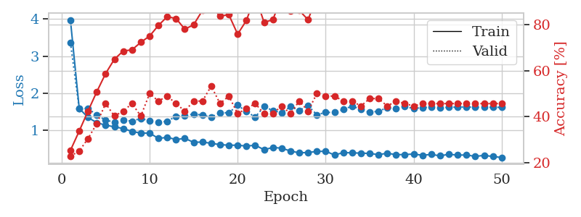
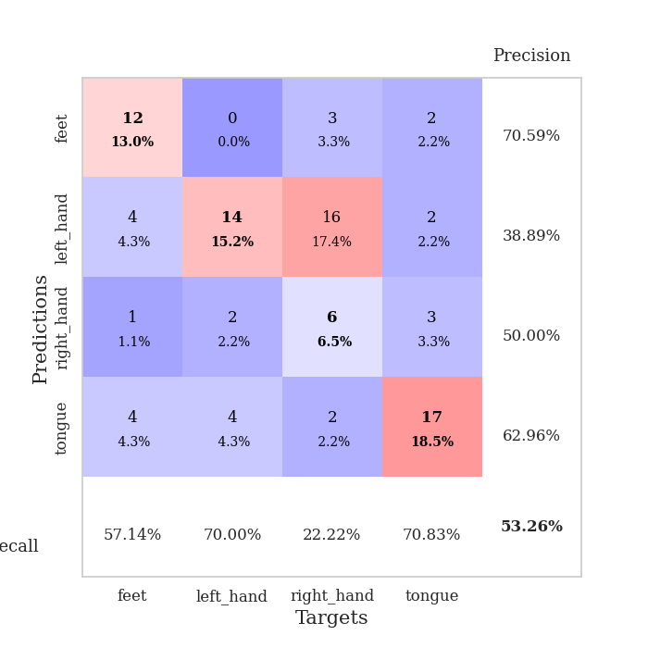
train_loss | valid_loss | train_accuracy | valid_accuracy | dur | train_misclass | valid_misclass
2.5843203068 | 2.6385756316 | 0.2472826087 | 0.26086956522 | 0.082162380219 | 24.72826087 | 26.086956522
1.5541898686 | 1.7351890491 | 0.35054347826 | 0.26086956522 | 0.084360599518 | 35.054347826 | 26.086956522
1.2990176004 | 1.7849015516 | 0.41576086957 | 0.30434782609 | 0.081735134125 | 41.576086957 | 30.434782609
1.201562599 | 1.7563342271 | 0.39130434783 | 0.23913043478 | 0.081839799881 | 39.130434783 | 23.913043478
1.1423731628 | 1.437802351 | 0.52989130435 | 0.3152173913 | 0.081535100937 | 52.989130435 | 31.52173913
1.1552896681 | 1.6994725362 | 0.49184782609 | 0.33695652174 | 0.081661224365 | 49.184782609 | 33.695652174
1.0053772589 | 1.3604630284 | 0.68206521739 | 0.44565217391 | 0.081482887268 | 68.206521739 | 44.565217391
0.99528640768 | 1.4090638472 | 0.66847826087 | 0.38043478261 | 0.0856320858 | 66.847826087 | 38.043478261
0.97395542653 | 1.420756537 | 0.76902173913 | 0.39130434783 | 0.082664966583 | 76.902173913 | 39.130434783
0.92707470448 | 1.2888234232 | 0.7527173913 | 0.44565217391 | 0.08215880394 | 75.27173913 | 44.565217391
0.93817164069 | 1.2692246385 | 0.77445652174 | 0.45652173913 | 0.082125425339 | 77.445652174 | 45.652173913
0.82148060203 | 1.5793486937 | 0.64945652174 | 0.41304347826 | 0.082594871521 | 64.945652174 | 41.304347826
0.85570255051 | 1.3463576566 | 0.77445652174 | 0.48913043478 | 0.082387208939 | 77.445652174 | 48.913043478
0.76735148482 | 1.679180109 | 0.67934782609 | 0.41304347826 | 0.082483053207 | 67.934782609 | 41.304347826
0.76439729981 | 1.3682907561 | 0.84510869565 | 0.39130434783 | 0.082180023193 | 84.510869565 | 39.130434783
0.67326164246 | 1.5599666108 | 0.77445652174 | 0.4347826087 | 0.082112073898 | 77.445652174 | 43.47826087
0.74523074212 | 1.5591264186 | 0.77717391304 | 0.4347826087 | 0.082387447357 | 77.717391304 | 43.47826087
0.66539082061 | 1.5863644558 | 0.75815217391 | 0.42391304348 | 0.082334756851 | 75.815217391 | 42.391304348
0.65903144168 | 1.6827088439 | 0.78260869565 | 0.4347826087 | 0.082353115082 | 78.260869565 | 43.47826087
0.61657265347 | 1.6284487507 | 0.77989130435 | 0.4347826087 | 0.082201242447 | 77.989130435 | 43.47826087
0.60495970431 | 1.4358225543 | 0.86413043478 | 0.47826086957 | 0.082359075546 | 86.413043478 | 47.826086957
0.62090324967 | 1.7499059335 | 0.75 | 0.45652173913 | 0.082201719284 | 75 | 45.652173913
0.54616825088 | 1.7430741269 | 0.80163043478 | 0.46739130435 | 0.082464456558 | 80.163043478 | 46.739130435
0.52674907575 | 1.7135148515 | 0.83152173913 | 0.47826086957 | 0.082547903061 | 83.152173913 | 47.826086957
0.55828485022 | 1.7359978064 | 0.83423913043 | 0.46739130435 | 0.082319259644 | 83.423913043 | 46.739130435
0.49276852996 | 1.8316737776 | 0.77445652174 | 0.42391304348 | 0.08247590065 | 77.445652174 | 42.391304348
0.50213543293 | 2.0263552769 | 0.70923913043 | 0.41304347826 | 0.082478523254 | 70.923913043 | 41.304347826
0.50082187938 | 1.9452433482 | 0.73913043478 | 0.40217391304 | 0.082247018814 | 73.913043478 | 40.217391304
0.50254404545 | 1.7855648217 | 0.8152173913 | 0.4347826087 | 0.082279920578 | 81.52173913 | 43.47826087
0.47230478862 | 1.8112244036 | 0.75543478261 | 0.45652173913 | 0.082176446915 | 75.543478261 | 45.652173913
0.3601221818 | 1.6487559287 | 0.85054347826 | 0.45652173913 | 0.082459449768 | 85.054347826 | 45.652173913
0.4318010956 | 1.6182887813 | 0.84510869565 | 0.48913043478 | 0.082522153854 | 84.510869565 | 48.913043478
0.45029969578 | 1.6862042728 | 0.88858695652 | 0.46739130435 | 0.082189083099 | 88.858695652 | 46.739130435
0.39683228278 | 1.6733019041 | 0.89945652174 | 0.46739130435 | 0.082391500473 | 89.945652174 | 46.739130435
0.38498052112 | 1.908752571 | 0.79891304348 | 0.4347826087 | 0.082481861115 | 79.891304348 | 43.47826087
0.37942726359 | 1.9068853026 | 0.79076086957 | 0.4347826087 | 0.082201004028 | 79.076086957 | 43.47826087
0.39771804537 | 1.8073844547 | 0.85597826087 | 0.4347826087 | 0.082205295563 | 85.597826087 | 43.47826087
0.38753644798 | 1.9666514293 | 0.80706521739 | 0.44565217391 | 0.082533121109 | 80.706521739 | 44.565217391
0.36778366242 | 1.9187944765 | 0.82880434783 | 0.46739130435 | 0.081972837448 | 82.880434783 | 46.739130435
0.35860780691 | 1.702074875 | 0.90760869565 | 0.46739130435 | 0.084775447845 | 90.760869565 | 46.739130435
0.35774538731 | 1.7748935896 | 0.88315217391 | 0.47826086957 | 0.082603931427 | 88.315217391 | 47.826086957
0.35190107058 | 1.7623526376 | 0.88586956522 | 0.47826086957 | 0.082465648651 | 88.586956522 | 47.826086957
0.38511326844 | 1.8130873805 | 0.86684782609 | 0.46739130435 | 0.082452297211 | 86.684782609 | 46.739130435
0.34872144655 | 1.8055222967 | 0.86684782609 | 0.47826086957 | 0.082653284073 | 86.684782609 | 47.826086957
0.33878235584 | 1.7867074583 | 0.875 | 0.47826086957 | 0.082581758499 | 87.5 | 47.826086957
0.28634777795 | 1.765535536 | 0.88043478261 | 0.47826086957 | 0.082392454147 | 88.043478261 | 47.826086957
0.33090580352 | 1.7649131702 | 0.88043478261 | 0.47826086957 | 0.082297325134 | 88.043478261 | 47.826086957
0.33296049386 | 1.7626078854 | 0.88043478261 | 0.47826086957 | 0.08230137825 | 88.043478261 | 47.826086957
0.36033332477 | 1.7577369731 | 0.89130434783 | 0.47826086957 | 0.082453966141 | 89.130434783 | 47.826086957
0.34549691755 | 1.7536708998 | 0.89402173913 | 0.47826086957 | 0.082445144653 | 89.402173913 | 47.826086957

Best Val accuracy is 0.4891304347826087 and Best test accuracy is 0.4224137931034483
train_loss | valid_loss | train_accuracy | valid_accuracy | dur | train_misclass | valid_misclass
3.9791397271 | 3.3702018676 | 0.2527173913 | 0.22826086957 | 0.10327982903 | 25.27173913 | 22.826086957
1.5936690673 | 1.5919356398 | 0.33695652174 | 0.25 | 0.094235897064 | 33.695652174 | 25
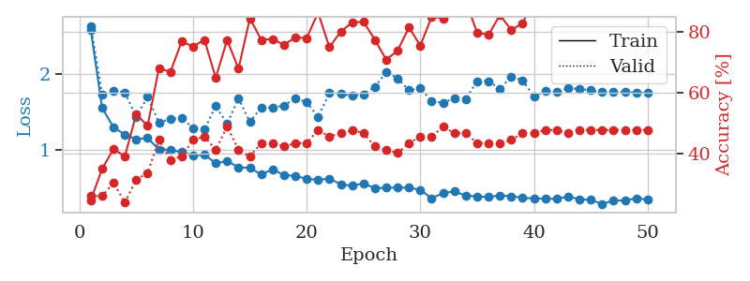
1.3471488538 | 1.592554647 | 0.42391304348 | 0.30434782609 | 0.090579748154 | 42.391304348 | 30.434782609
1.2081550256 | 1.4131257586 | 0.50815217391 | 0.36956521739 | 0.085503339767 | 50.815217391 | 36.956521739
1.1400133397 | 1.2764134692 | 0.58695652174 | 0.45652173913 | 0.08530664444 | 58.695652174 | 45.652173913
1.0952520837 | 1.2226988595 | 0.64945652174 | 0.40217391304 | 0.35978364944 | 64.945652174 | 40.217391304
1.0504243711 | 1.2808014154 | 0.6847826087 | 0.42391304348 | 0.095870733261 | 68.47826087 | 42.391304348
0.97060815407 | 1.2462898285 | 0.6902173913 | 0.45652173913 | 0.091694355011 | 69.02173913 | 45.652173913
0.92606331473 | 1.3231595651 | 0.72282608696 | 0.40217391304 | 0.087206125259 | 72.282608696 | 40.217391304
0.92728326113 | 1.2546267665 | 0.75 | 0.5 | 0.085204362869 | 75 | 50
0.78305620085 | 1.2178946733 | 0.79619565217 | 0.46739130435 | 0.35642051697 | 79.619565217 | 46.739130435
0.8119652349 | 1.2468372687 | 0.83423913043 | 0.48913043478 | 0.096831798553 | 83.423913043 | 48.913043478
0.75333269524 | 1.3784265674 | 0.82608695652 | 0.45652173913 | 0.094583034515 | 82.608695652 | 45.652173913
0.78352385241 | 1.3972883587 | 0.77989130435 | 0.42391304348 | 0.089084625244 | 77.989130435 | 42.391304348
0.67833212925 | 1.4430958033 | 0.79891304348 | 0.46739130435 | 0.085596084595 | 79.891304348 | 46.739130435
0.685512246 | 1.4115799251 | 0.86141304348 | 0.46739130435 | 0.085378170013 | 86.141304348 | 46.739130435
0.65119333241 | 1.3524605865 | 0.8777173913 | 0.53260869565 | 0.10950684547 | 87.77173913 | 53.260869565
0.61546139354 | 1.4818204641 | 0.83695652174 | 0.45652173913 | 0.095262765884 | 83.695652174 | 45.652173913
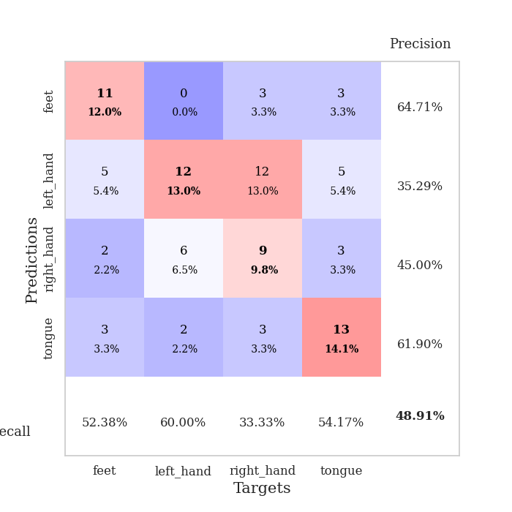
0.5998987711 | 1.4695607735 | 0.84239130435 | 0.48913043478 | 0.091352701187 | 84.239130435 | 48.913043478
0.60001833802 | 1.6803256947 | 0.75815217391 | 0.41304347826 | 0.08710360527 | 75.815217391 | 41.304347826
0.57743053721 | 1.5062760374 | 0.81793478261 | 0.4347826087 | 0.085071325302 | 81.793478261 | 43.47826087
0.5995934787 | 1.360617223 | 0.92391304348 | 0.45652173913 | 0.32060265541 | 92.391304348 | 45.652173913
0.47893674607 | 1.6405872936 | 0.8097826087 | 0.41304347826 | 0.097821950912 | 80.97826087 | 41.304347826
0.5391725224 | 1.5361469673 | 0.82065217391 | 0.41304347826 | 0.09540772438 | 82.065217391 | 41.304347826
0.52043197919 | 1.4732676537 | 0.92119565217 | 0.44565217391 | 0.090109348297 | 92.119565217 | 44.565217391
0.4432757134 | 1.6386445087 | 0.85869565217 | 0.41304347826 | 0.085455417633 | 85.869565217 | 41.304347826
0.39415606014 | 1.5407424699 | 0.86141304348 | 0.46739130435 | 0.085441350937 | 86.141304348 | 46.739130435
0.40443281505 | 1.6644541129 | 0.82065217391 | 0.42391304348 | 0.21049618721 | 82.065217391 | 42.391304348
0.42981437691 | 1.423905072 | 0.92119565217 | 0.5 | 0.090275764465 | 92.119565217 | 50
0.43902025987 | 1.4828402944 | 0.92391304348 | 0.48913043478 | 0.086729049683 | 92.391304348 | 48.913043478
0.33459619659 | 1.4870995957 | 0.93206521739 | 0.48913043478 | 0.11606168747 | 93.206521739 | 48.913043478
0.40212466438 | 1.5612826503 | 0.90489130435 | 0.46739130435 | 0.13620138168 | 90.489130435 | 46.739130435
0.39308043083 | 1.65580126 | 0.88586956522 | 0.46739130435 | 0.15634417534 | 88.586956522 | 46.739130435
0.38713777454 | 1.5636090248 | 0.92663043478 | 0.44565217391 | 0.1133491993 | 92.663043478 | 44.565217391
0.37756510468 | 1.4881196437 | 0.93206521739 | 0.47826086957 | 0.15413045883 | 93.206521739 | 47.826086957
0.34584300285 | 1.5159492337 | 0.9402173913 | 0.47826086957 | 0.11921167374 | 94.02173913 | 47.826086957
0.38329214052 | 1.6108719266 | 0.91576086957 | 0.44565217391 | 0.33603191376 | 91.576086957 | 44.565217391
0.34500856633 | 1.588588585 | 0.91576086957 | 0.46739130435 | 0.097353219986 | 91.576086957 | 46.739130435
0.34837789898 | 1.6404625437 | 0.91304347826 | 0.45652173913 | 0.094452619553 | 91.304347826 | 45.652173913
0.36277727977 | 1.5899506496 | 0.93206521739 | 0.44565217391 | 0.08928155899 | 93.206521739 | 44.565217391
0.3276976807 | 1.6145800767 | 0.94293478261 | 0.45652173913 | 0.085577011108 | 94.293478261 | 45.652173913
0.35205048938 | 1.6265926724 | 0.94293478261 | 0.45652173913 | 0.23863005638 | 94.293478261 | 45.652173913
0.31315067022 | 1.6162185306 | 0.94293478261 | 0.45652173913 | 0.10386180878 | 94.293478261 | 45.652173913
0.3554882783 | 1.6199970712 | 0.94293478261 | 0.45652173913 | 0.095241308212 | 94.293478261 | 45.652173913
0.33268189236 | 1.6300293052 | 0.9375 | 0.45652173913 | 0.091223478317 | 93.75 | 45.652173913
0.33714785265 | 1.6301873871 | 0.94293478261 | 0.45652173913 | 0.08663725853 | 94.293478261 | 45.652173913
0.29818112047 | 1.6258051966 | 0.94293478261 | 0.45652173913 | 0.085455656052 | 94.293478261 | 45.652173913
0.32634042916 | 1.6238996516 | 0.94565217391 | 0.45652173913 | 0.33433699608 | 94.565217391 | 45.652173913
0.2956510928 | 1.6229683886 | 0.94836956522 | 0.45652173913 | 0.096739530563 | 94.836956522 | 45.652173913
0.26841176463 | 1.6211380337 | 0.94836956522 | 0.45652173913 | 0.092549085617 | 94.836956522 | 45.652173913

Best Val accuracy is 0.532608695652174 and Best test accuracy is 0.4396551724137931

Sheet4
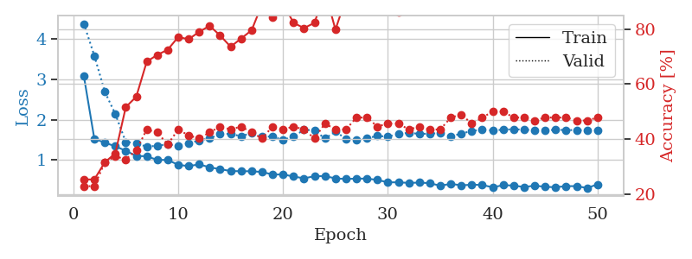
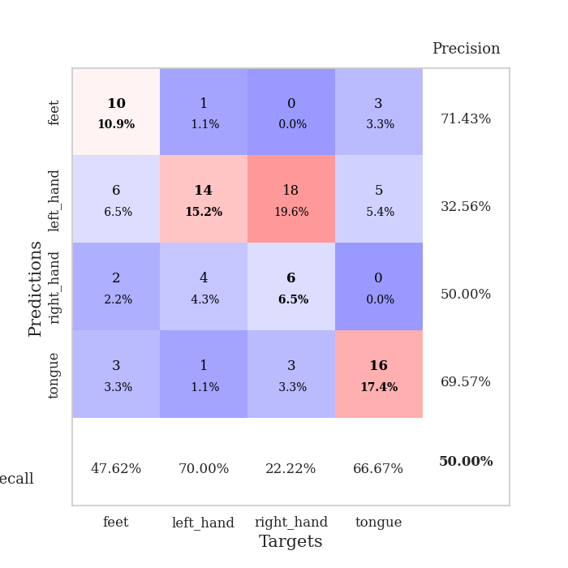
train_loss | valid_loss | train_accuracy | valid_accuracy | dur | train_misclass | valid_misclass
2.877189206 | 3.5986841762 | 0.31793478261 | 0.25 | 0.083766937256 | 31.793478261 | 25
1.6397519319 | 3.5246145103 | 0.30163043478 | 0.28260869565 | 0.081899404526 | 30.163043478 | 28.260869565
1.42162663 | 1.6382714147 | 0.48097826087 | 0.36956521739 | 0.081922292709 | 48.097826087 | 36.956521739
1.296518445 | 1.4098119166 | 0.52173913043 | 0.40217391304 | 0.084252119064 | 52.173913043 | 40.217391304
1.1687868341 | 1.3092720457 | 0.61413043478 | 0.48913043478 | 0.081666946411 | 61.413043478 | 48.913043478
1.007971257 | 1.3208413746 | 0.59782608696 | 0.52173913043 | 0.080908060074 | 59.782608696 | 52.173913043
0.99382610943 | 1.2844975668 | 0.71467391304 | 0.52173913043 | 0.080488920212 | 71.467391304 | 52.173913043
0.94083813999 | 1.2654195454 | 0.76358695652 | 0.55434782609 | 0.080259084702 | 76.358695652 | 55.434782609
0.90019555714 | 1.3085431508 | 0.77989130435 | 0.55434782609 | 0.080245018005 | 77.989130435 | 55.434782609
0.8918054052 | 1.3844521875 | 0.78260869565 | 0.48913043478 | 0.080472230911 | 78.260869565 | 48.913043478
0.78640955168 | 1.2724014158 | 0.78260869565 | 0.45652173913 | 0.080338716507 | 78.260869565 | 45.652173913
0.82860663404 | 1.5776583112 | 0.69836956522 | 0.41304347826 | 0.080173254013 | 69.836956522 | 41.304347826
0.7196867764 | 1.2617471296 | 0.79347826087 | 0.5 | 0.080253124237 | 79.347826087 | 50
0.81380662192 | 1.3637731334 | 0.75815217391 | 0.47826086957 | 0.080420970917 | 75.815217391 | 47.826086957
0.71454041808 | 1.3386739959 | 0.82880434783 | 0.48913043478 | 0.080078601837 | 82.880434783 | 48.913043478
0.66326618972 | 1.5239446422 | 0.68206521739 | 0.44565217391 | 0.08026599884 | 68.206521739 | 44.565217391
0.64011493325 | 1.361461077 | 0.88858695652 | 0.47826086957 | 0.080391407013 | 88.858695652 | 47.826086957
0.60851775822 | 1.6435619385 | 0.73641304348 | 0.45652173913 | 0.080174446106 | 73.641304348 | 45.652173913
0.64447382352 | 1.4388886975 | 0.91576086957 | 0.5 | 0.080204963684 | 91.576086957 | 50
0.59529329253 | 1.4490288315 | 0.89402173913 | 0.47826086957 | 0.080624103546 | 89.402173913 | 47.826086957
0.62099989471 | 1.7301697627 | 0.78804347826 | 0.44565217391 | 0.080109596252 | 78.804347826 | 44.565217391
0.58562715935 | 1.6221478089 | 0.8152173913 | 0.46739130435 | 0.08002781868 | 81.52173913 | 46.739130435
0.50101155172 | 1.8236983807 | 0.78260869565 | 0.44565217391 | 0.080494880676 | 78.260869565 | 44.565217391
0.49271324147 | 1.6686416657 | 0.8097826087 | 0.5 | 0.08051109314 | 80.97826087 | 50
0.50082008217 | 1.7696294111 | 0.7527173913 | 0.42391304348 | 0.080307722092 | 75.27173913 | 42.391304348
0.41580613411 | 1.5400536838 | 0.88858695652 | 0.46739130435 | 0.080755472183 | 88.858695652 | 46.739130435
0.45160579487 | 1.7161287277 | 0.78804347826 | 0.46739130435 | 0.081067323685 | 78.804347826 | 46.739130435
0.43937180872 | 1.9602090846 | 0.73369565217 | 0.44565217391 | 0.080627202988 | 73.369565217 | 44.565217391
0.40017874021 | 1.9084037853 | 0.76086956522 | 0.47826086957 | 0.080435037613 | 76.086956522 | 47.826086957
0.4508339659 | 1.8818568924 | 0.76086956522 | 0.45652173913 | 0.080725193024 | 76.086956522 | 45.652173913
0.39338785475 | 1.764434773 | 0.80706521739 | 0.5 | 0.080492734909 | 80.706521739 | 50
0.39009648497 | 1.9423482885 | 0.7527173913 | 0.44565217391 | 0.080623865128 | 75.27173913 | 44.565217391
0.41992951217 | 1.8140331196 | 0.80706521739 | 0.46739130435 | 0.080762386322 | 80.706521739 | 46.739130435
0.40088158716 | 1.8863721257 | 0.79347826087 | 0.47826086957 | 0.080852985382 | 79.347826087 | 47.826086957
0.39409427734 | 1.8749289513 | 0.77173913043 | 0.46739130435 | 0.080767869949 | 77.173913043 | 46.739130435
0.37568202485 | 1.8588361792 | 0.75543478261 | 0.44565217391 | 0.080413103104 | 75.543478261 | 44.565217391
0.36423791329 | 1.8483569881 | 0.77445652174 | 0.4347826087 | 0.080758094788 | 77.445652174 | 43.47826087
0.33681111297 | 1.8191068069 | 0.79076086957 | 0.45652173913 | 0.080695152283 | 79.076086957 | 45.652173913
0.32437635569 | 1.7731526675 | 0.8097826087 | 0.46739130435 | 0.080480575562 | 80.97826087 | 46.739130435
0.27856615445 | 1.7862748426 | 0.79076086957 | 0.45652173913 | 0.080496549606 | 79.076086957 | 45.652173913
0.3857190758 | 1.7539262357 | 0.82336956522 | 0.45652173913 | 0.080897808075 | 82.336956522 | 45.652173913
0.33195215399 | 1.7447436841 | 0.83423913043 | 0.46739130435 | 0.080730676651 | 83.423913043 | 46.739130435
0.28906681 | 1.7301871932 | 0.84510869565 | 0.47826086957 | 0.080888271332 | 84.510869565 | 47.826086957
0.3306441942 | 1.7244987332 | 0.85597826087 | 0.47826086957 | 0.080829143524 | 85.597826087 | 47.826086957
0.30206208125 | 1.7109155914 | 0.85597826087 | 0.47826086957 | 0.080642223358 | 85.597826087 | 47.826086957
0.31108657173 | 1.7029682916 | 0.86413043478 | 0.47826086957 | 0.080920934677 | 86.413043478 | 47.826086957
0.3131751389 | 1.6930045667 | 0.86413043478 | 0.48913043478 | 0.080596446991 | 86.413043478 | 48.913043478
0.33147191742 | 1.6859759818 | 0.8722826087 | 0.48913043478 | 0.080567598343 | 87.22826087 | 48.913043478
0.31737703538 | 1.6779989108 | 0.8722826087 | 0.48913043478 | 0.080913305283 | 87.22826087 | 48.913043478
0.28302628417 | 1.6724696729 | 0.8777173913 | 0.5 | 0.08052444458 | 87.77173913 | 50

Best Val accuracy is 0.5543478260869565 and Best test accuracy is 0.4482758620689655
train_loss | valid_loss | train_accuracy | valid_accuracy | dur | train_misclass | valid_misclass
3.0839426932 | 4.3802604779 | 0.2527173913 | 0.22826086957 | 0.097029209137 | 25.27173913 | 22.826086957
1.528163288 | 3.5878443614 | 0.2527173913 | 0.22826086957 | 0.090096235275 | 25.27173913 | 22.826086957
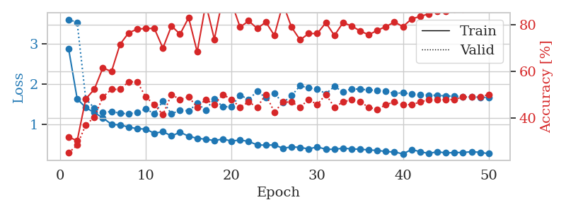
1.431585711 | 2.6944511973 | 0.3152173913 | 0.3152173913 | 0.085005760193 | 31.52173913 | 31.52173913
1.3423174361 | 2.1420608396 | 0.34782608696 | 0.33695652174 | 0.085040569305 | 34.782608696 | 33.695652174
1.2302954327 | 1.4476310274 | 0.51630434783 | 0.32608695652 | 0.32328104973 | 51.630434783 | 32.608695652
1.1044351821 | 1.4249705646 | 0.55434782609 | 0.35869565217 | 0.094514608383 | 55.434782609 | 35.869565217
1.0936831158 | 1.3285844689 | 0.68206521739 | 0.4347826087 | 0.09165430069 | 68.206521739 | 43.47826087
1.005318919 | 1.3602069824 | 0.70652173913 | 0.42391304348 | 0.087765693665 | 70.652173913 | 42.391304348
1.0031426704 | 1.3881254766 | 0.72554347826 | 0.38043478261 | 0.087333440781 | 72.554347826 | 38.043478261
0.8829277106 | 1.3599132092 | 0.77173913043 | 0.4347826087 | 0.31321287155 | 77.173913043 | 43.47826087
0.85016090455 | 1.4164338993 | 0.76358695652 | 0.41304347826 | 0.10032749176 | 76.358695652 | 41.304347826
0.89466247351 | 1.4858981993 | 0.79076086957 | 0.40217391304 | 0.092693567276 | 79.076086957 | 40.217391304
0.81991515471 | 1.5422732467 | 0.8125 | 0.42391304348 | 0.088932514191 | 81.25 | 42.391304348
0.7758479533 | 1.641594866 | 0.77717391304 | 0.44565217391 | 0.084086179733 | 77.717391304 | 44.565217391
0.72799028651 | 1.6538257858 | 0.73641304348 | 0.4347826087 | 0.083936214447 | 73.641304348 | 43.47826087
0.72433421923 | 1.5874093771 | 0.76630434783 | 0.44565217391 | 0.33367562294 | 76.630434783 | 44.565217391
0.72307227876 | 1.6780275832 | 0.79619565217 | 0.42391304348 | 0.096019506454 | 79.619565217 | 42.391304348
0.70553373383 | 1.5845047339 | 0.89130434783 | 0.40217391304 | 0.091906547546 | 89.130434783 | 40.217391304
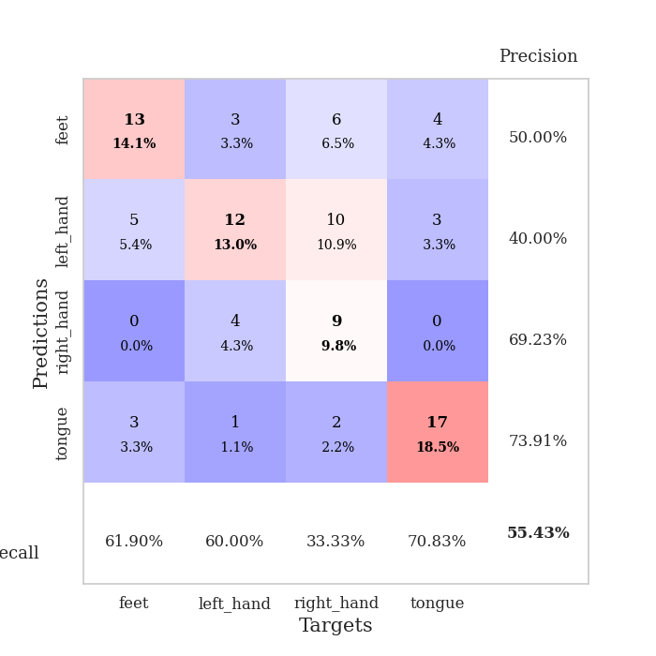
0.64173450418 | 1.584152175 | 0.84510869565 | 0.44565217391 | 0.090987443924 | 84.510869565 | 44.565217391
0.64378975526 | 1.4985209341 | 0.89402173913 | 0.4347826087 | 0.084983110428 | 89.402173913 | 43.47826087
0.59305325539 | 1.5846675997 | 0.82336956522 | 0.44565217391 | 0.35128283501 | 82.336956522 | 44.565217391
0.54772044006 | 1.7507388695 | 0.80434782609 | 0.4347826087 | 0.096541881561 | 80.434782609 | 43.47826087
0.60006812085 | 1.7364286754 | 0.82336956522 | 0.40217391304 | 0.093102216721 | 82.336956522 | 40.217391304
0.60243653603 | 1.5337457035 | 0.9375 | 0.45652173913 | 0.090177297592 | 93.75 | 45.652173913
0.54662283478 | 1.705631479 | 0.79891304348 | 0.4347826087 | 0.085037708282 | 79.891304348 | 43.47826087
0.5317192881 | 1.5311990406 | 0.91304347826 | 0.4347826087 | 0.084830760956 | 91.304347826 | 43.47826087
0.54101169109 | 1.4936671153 | 0.92663043478 | 0.47826086957 | 0.10838627815 | 92.663043478 | 47.826086957
0.54077800396 | 1.5416031143 | 0.95380434783 | 0.47826086957 | 0.094599485397 | 95.380434783 | 47.826086957
0.5080891122 | 1.6000442971 | 0.94565217391 | 0.44565217391 | 0.090678691864 | 94.565217391 | 44.565217391
0.44870828157 | 1.5798788641 | 0.89945652174 | 0.45652173913 | 0.09467792511 | 89.945652174 | 45.652173913
0.44900313538 | 1.6514161877 | 0.86413043478 | 0.45652173913 | 0.091348171234 | 86.413043478 | 45.652173913
0.43415611011 | 1.6744947744 | 0.88586956522 | 0.4347826087 | 0.11604642868 | 88.586956522 | 43.47826087
0.44210026446 | 1.6518716553 | 0.90217391304 | 0.44565217391 | 0.093474626541 | 90.217391304 | 44.565217391
0.42803449734 | 1.6544794829 | 0.91576086957 | 0.4347826087 | 0.090300559998 | 91.576086957 | 43.47826087
0.36338530805 | 1.6718995519 | 0.90760869565 | 0.4347826087 | 0.086759328842 | 90.760869565 | 43.47826087
0.41177530263 | 1.5802652577 | 0.95923913043 | 0.47826086957 | 0.084187984467 | 95.923913043 | 47.826086957
0.37337595807 | 1.6608945961 | 0.94565217391 | 0.48913043478 | 0.31614136696 | 94.565217391 | 48.913043478
0.39067026778 | 1.7183558526 | 0.91304347826 | 0.45652173913 | 0.096542358398 | 91.304347826 | 45.652173913
0.38263818881 | 1.7574737176 | 0.91576086957 | 0.47826086957 | 0.093079566956 | 91.576086957 | 47.826086957
0.32556453185 | 1.7337592426 | 0.92663043478 | 0.5 | 0.088838815689 | 92.663043478 | 50
0.37784513378 | 1.7546337791 | 0.9375 | 0.5 | 0.084211111069 | 93.75 | 50
0.36923544368 | 1.7654721841 | 0.94293478261 | 0.47826086957 | 0.084248542786 | 94.293478261 | 47.826086957
0.33103380644 | 1.7535523643 | 0.94565217391 | 0.47826086957 | 0.20778608322 | 94.565217391 | 47.826086957
0.36714351501 | 1.7419596548 | 0.94836956522 | 0.46739130435 | 0.094130516052 | 94.836956522 | 46.739130435
0.33722787642 | 1.7397852048 | 0.94836956522 | 0.47826086957 | 0.091130971909 | 94.836956522 | 47.826086957
0.32704631725 | 1.7496133784 | 0.94836956522 | 0.47826086957 | 0.087028026581 | 94.836956522 | 47.826086957
0.35446533237 | 1.7471171358 | 0.94836956522 | 0.47826086957 | 0.08491897583 | 94.836956522 | 47.826086957
0.35382447683 | 1.7413809507 | 0.94836956522 | 0.46739130435 | 0.32724523544 | 94.836956522 | 46.739130435
0.30832317277 | 1.7399366939 | 0.94836956522 | 0.46739130435 | 0.0977871418 | 94.836956522 | 46.739130435
0.39766818058 | 1.7381745525 | 0.94836956522 | 0.47826086957 | 0.092989206314 | 94.836956522 | 47.826086957

Best Val accuracy is 0.5 and Best test accuracy is 0.4482758620689655

Sheet5
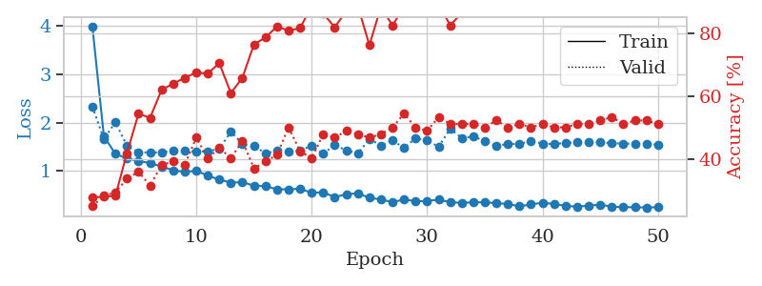
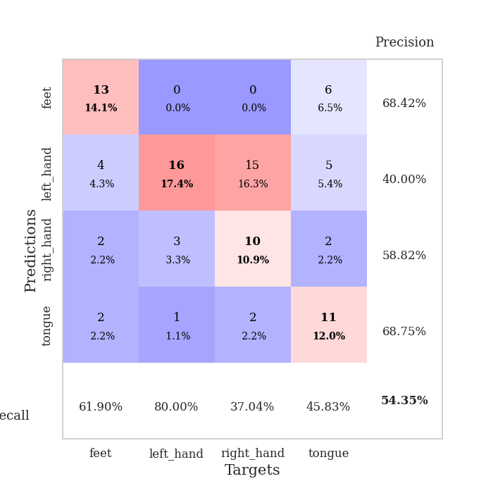
train_loss | valid_loss | train_accuracy | valid_accuracy | dur | train_misclass | valid_misclass
3.9806631026 | 1.9396078276 | 0.2472826087 | 0.35869565217 | 0.083365917206 | 24.72826087 | 35.869565217
1.7350965427 | 2.069125134 | 0.31793478261 | 0.22826086957 | 0.081225633621 | 31.793478261 | 22.826086957
1.4300540478 | 1.3270392418 | 0.44836956522 | 0.29347826087 | 0.080830812454 | 44.836956522 | 29.347826087
1.2763927709 | 1.3978405776 | 0.48097826087 | 0.32608695652 | 0.080721139908 | 48.097826087 | 32.608695652
1.2141665194 | 1.2805313287 | 0.59782608696 | 0.36956521739 | 0.080492258072 | 59.782608696 | 36.956521739
1.1329404867 | 1.213211101 | 0.64402173913 | 0.46739130435 | 0.080627202988 | 64.402173913 | 46.739130435
1.0805560247 | 1.2291382033 | 0.65217391304 | 0.48913043478 | 0.08055138588 | 65.217391304 | 48.913043478
1.0515392993 | 1.1466588974 | 0.6222826087 | 0.47826086957 | 0.080592870712 | 62.22826087 | 47.826086957
0.96502873949 | 1.3193964336 | 0.68206521739 | 0.4347826087 | 0.080661535263 | 68.206521739 | 43.47826087
0.94104686639 | 1.1626088827 | 0.75543478261 | 0.5 | 0.080711364746 | 75.543478261 | 50
0.87706715128 | 1.1271485038 | 0.78532608696 | 0.5 | 0.080802440643 | 78.532608696 | 50
0.85121083778 | 1.4038260372 | 0.74184782609 | 0.47826086957 | 0.080807685852 | 74.184782609 | 47.826086957
0.8839984588 | 1.2282565884 | 0.82608695652 | 0.48913043478 | 0.080822229385 | 82.608695652 | 48.913043478
0.80851620436 | 1.1928926266 | 0.8152173913 | 0.46739130435 | 0.080575704575 | 81.52173913 | 46.739130435
0.73592668513 | 1.3089730558 | 0.83967391304 | 0.46739130435 | 0.080623149872 | 83.967391304 | 46.739130435
0.74367999253 | 1.2137616069 | 0.85869565217 | 0.46739130435 | 0.08051609993 | 85.869565217 | 46.739130435
0.75211462897 | 1.2405267798 | 0.82336956522 | 0.46739130435 | 0.080547571182 | 82.336956522 | 46.739130435
0.68852142666 | 1.2410539985 | 0.89945652174 | 0.46739130435 | 0.080609560013 | 89.945652174 | 46.739130435
0.66814219304 | 1.3474719213 | 0.88586956522 | 0.5 | 0.080571651459 | 88.586956522 | 50
0.62990296146 | 1.3438221605 | 0.85326086957 | 0.51086956522 | 0.080487966537 | 85.326086957 | 51.086956522
0.61361862784 | 1.3888897274 | 0.88586956522 | 0.48913043478 | 0.080635547638 | 88.586956522 | 48.913043478
0.60466205037 | 1.4280773246 | 0.85326086957 | 0.47826086957 | 0.080895662308 | 85.326086957 | 47.826086957
0.5192845399 | 1.368939423 | 0.84782608696 | 0.47826086957 | 0.080740451813 | 84.782608696 | 47.826086957
0.53755523912 | 1.4665472611 | 0.8125 | 0.47826086957 | 0.080898284912 | 81.25 | 47.826086957
0.5086209774 | 1.5350928358 | 0.81793478261 | 0.45652173913 | 0.08513879776 | 81.793478261 | 45.652173913
0.54368188783 | 1.6897520967 | 0.76086956522 | 0.48913043478 | 0.083298921585 | 76.086956522 | 48.913043478
0.49496663524 | 1.3368209289 | 0.91576086957 | 0.5 | 0.082325220108 | 91.576086957 | 50
0.49561771621 | 1.6462844766 | 0.82336956522 | 0.46739130435 | 0.082154750824 | 82.336956522 | 46.739130435
0.44983317152 | 1.5448785813 | 0.85054347826 | 0.47826086957 | 0.081590652466 | 85.054347826 | 47.826086957
0.41733571822 | 1.5935218697 | 0.8722826087 | 0.47826086957 | 0.08230638504 | 87.22826087 | 47.826086957
0.44091376662 | 1.5173285785 | 0.90760869565 | 0.46739130435 | 0.082062005997 | 90.760869565 | 46.739130435
0.41551704316 | 1.4670140484 | 0.90217391304 | 0.48913043478 | 0.082254648209 | 90.217391304 | 48.913043478
0.36541465702 | 1.4434726808 | 0.90760869565 | 0.46739130435 | 0.081896543503 | 90.760869565 | 46.739130435
0.38740261741 | 1.4081746625 | 0.9402173913 | 0.5 | 0.082001686096 | 94.02173913 | 50
0.34504083965 | 1.572723653 | 0.89130434783 | 0.46739130435 | 0.081896305084 | 89.130434783 | 46.739130435
0.35936194464 | 1.6559670904 | 0.85054347826 | 0.4347826087 | 0.08195567131 | 85.054347826 | 43.47826087
0.3641262333 | 1.6045388813 | 0.8722826087 | 0.45652173913 | 0.082181930542 | 87.22826087 | 45.652173913
0.3360910082 | 1.5648216424 | 0.88043478261 | 0.45652173913 | 0.08213019371 | 88.043478261 | 45.652173913
0.31647789867 | 1.5315812463 | 0.89673913043 | 0.46739130435 | 0.082141637802 | 89.673913043 | 46.739130435
0.32723851567 | 1.5316744784 | 0.90489130435 | 0.46739130435 | 0.082029342651 | 90.489130435 | 46.739130435
0.3520216592 | 1.4986424394 | 0.92663043478 | 0.47826086957 | 0.081838846207 | 92.663043478 | 47.826086957
0.30201778237 | 1.4712067894 | 0.9375 | 0.47826086957 | 0.08229637146 | 93.75 | 47.826086957
0.31085935462 | 1.5229772485 | 0.92663043478 | 0.47826086957 | 0.081967115402 | 92.663043478 | 47.826086957
0.33421664523 | 1.5139425786 | 0.9347826087 | 0.47826086957 | 0.082110643387 | 93.47826087 | 47.826086957
0.32050582864 | 1.5110628449 | 0.9347826087 | 0.47826086957 | 0.082015275955 | 93.47826087 | 47.826086957
0.3279095629 | 1.4946732625 | 0.94293478261 | 0.48913043478 | 0.081881523132 | 94.293478261 | 48.913043478
0.33501887613 | 1.494960562 | 0.94293478261 | 0.48913043478 | 0.082325220108 | 94.293478261 | 48.913043478
0.29791537024 | 1.4921237127 | 0.94565217391 | 0.48913043478 | 0.082446336746 | 94.565217391 | 48.913043478
0.34104765887 | 1.4910086393 | 0.94565217391 | 0.48913043478 | 0.082087039948 | 94.565217391 | 48.913043478
0.30075366795 | 1.4902653072 | 0.94836956522 | 0.5 | 0.08217048645 | 94.836956522 | 50

Best Val accuracy is 0.5108695652173914 and Best test accuracy is 0.4224137931034483
train_loss | valid_loss | train_accuracy | valid_accuracy | dur | train_misclass | valid_misclass
3.98262989 | 2.3279098324 | 0.27717391304 | 0.25 | 0.095976114273 | 27.717391304 | 25
1.7157457082 | 1.6612204002 | 0.27989130435 | 0.28260869565 | 0.090410232544 | 27.989130435 | 28.260869565
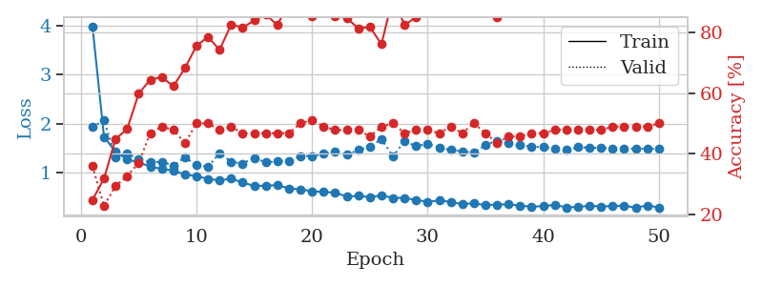
1.3540587166 | 2.003532363 | 0.28260869565 | 0.29347826087 | 0.088599920273 | 28.260869565 | 29.347826087
1.260073553 | 1.5196076424 | 0.41847826087 | 0.33695652174 | 0.084853887558 | 41.847826087 | 33.695652174
1.205991434 | 1.385295106 | 0.54347826087 | 0.35869565217 | 0.10916686058 | 54.347826087 | 35.869565217
1.1660026986 | 1.3854672753 | 0.52989130435 | 0.3152173913 | 0.094139814377 | 52.989130435 | 31.52173913
1.0929591759 | 1.3819960459 | 0.61956521739 | 0.38043478261 | 0.090476751328 | 61.956521739 | 38.043478261
1.0184140154 | 1.4229319562 | 0.63858695652 | 0.39130434783 | 0.086411714554 | 63.858695652 | 39.130434783
0.98187970597 | 1.41752511 | 0.65760869565 | 0.38043478261 | 0.084906578064 | 65.760869565 | 38.043478261
1.0068447642 | 1.3978762005 | 0.67391304348 | 0.46739130435 | 0.35966944695 | 67.391304348 | 46.739130435
0.90703754321 | 1.4050141884 | 0.67119565217 | 0.40217391304 | 0.097826004028 | 67.119565217 | 40.217391304
0.82376411428 | 1.458808987 | 0.70380434783 | 0.4347826087 | 0.091758489609 | 70.380434783 | 43.47826087
0.76250799713 | 1.8108615823 | 0.60869565217 | 0.40217391304 | 0.087783575058 | 60.869565217 | 40.217391304
0.77152371925 | 1.5639617961 | 0.65760869565 | 0.45652173913 | 0.08550453186 | 65.760869565 | 45.652173913
0.69950429512 | 1.51116126 | 0.76358695652 | 0.36956521739 | 0.33727526665 | 76.358695652 | 36.956521739
0.69003208565 | 1.3704523159 | 0.78532608696 | 0.39130434783 | 0.097874641418 | 78.532608696 | 39.130434783
0.62488117944 | 1.4145792515 | 0.82065217391 | 0.41304347826 | 0.092776060104 | 82.065217391 | 41.304347826
0.62512754228 | 1.3920320583 | 0.80706521739 | 0.5 | 0.089953422546 | 80.706521739 | 50
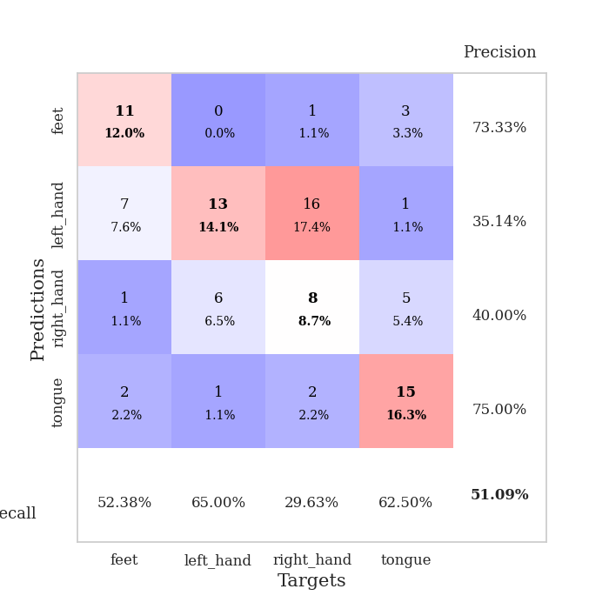
0.63677476541 | 1.4277121969 | 0.8152173913 | 0.42391304348 | 0.085010766983 | 81.52173913 | 42.391304348
0.55195856354 | 1.5207299357 | 0.88586956522 | 0.40217391304 | 0.084703683853 | 88.586956522 | 40.217391304
0.56481712603 | 1.3554389218 | 0.86141304348 | 0.47826086957 | 0.11066508293 | 86.141304348 | 47.826086957
0.46100008747 | 1.5415887003 | 0.81793478261 | 0.46739130435 | 0.093323945999 | 81.793478261 | 46.739130435
0.52588672871 | 1.4256816999 | 0.86956521739 | 0.48913043478 | 0.08976984024 | 86.956521739 | 48.913043478
0.54178409991 | 1.3649774272 | 0.88586956522 | 0.47826086957 | 0.085624694824 | 88.586956522 | 47.826086957
0.45115535609 | 1.6620779452 | 0.76086956522 | 0.46739130435 | 0.083925247192 | 76.086956522 | 46.739130435
0.41507794028 | 1.5273109571 | 0.88315217391 | 0.47826086957 | 0.33412790298 | 88.315217391 | 47.826086957
0.36107507218 | 1.6312613487 | 0.82336956522 | 0.5 | 0.099453210831 | 82.336956522 | 50
0.41560998559 | 1.4778360336 | 0.88315217391 | 0.54347826087 | 0.092283725739 | 88.315217391 | 54.347826087
0.37813871321 | 1.6743589536 | 0.8722826087 | 0.5 | 0.089414596558 | 87.22826087 | 50
0.38429600713 | 1.633059569 | 0.88043478261 | 0.48913043478 | 0.084819793701 | 88.043478261 | 48.913043478
0.41153438389 | 1.5001752273 | 0.89402173913 | 0.53260869565 | 0.084780931473 | 89.402173913 | 53.260869565
0.35990345996 | 1.8709954075 | 0.82336956522 | 0.51086956522 | 0.11587762833 | 82.336956522 | 51.086956522
0.3458684482 | 1.6838839935 | 0.86413043478 | 0.51086956522 | 0.092983961105 | 86.413043478 | 51.086956522
0.35627233853 | 1.7101732285 | 0.86956521739 | 0.51086956522 | 0.089780569077 | 86.956521739 | 51.086956522
0.35773919328 | 1.6195142528 | 0.8722826087 | 0.5 | 0.085254430771 | 87.22826087 | 50
0.33983818377 | 1.5127713628 | 0.89130434783 | 0.52173913043 | 0.084576129913 | 89.130434783 | 52.173913043
0.3240794358 | 1.5625489691 | 0.90217391304 | 0.5 | 0.36795067787 | 90.217391304 | 50
0.2729710347 | 1.555804745 | 0.89945652174 | 0.51086956522 | 0.094548225403 | 89.945652174 | 51.086956522
0.31533604925 | 1.6249259037 | 0.8722826087 | 0.5 | 0.091100692749 | 87.22826087 | 50
0.34856824026 | 1.5649187409 | 0.90489130435 | 0.51086956522 | 0.086743593216 | 90.489130435 | 51.086956522
0.32285517584 | 1.557163337 | 0.91304347826 | 0.5 | 0.08450961113 | 91.304347826 | 50
0.28330056466 | 1.5795535419 | 0.89945652174 | 0.5 | 0.31348967552 | 89.945652174 | 50
0.26738333702 | 1.5914516812 | 0.89945652174 | 0.51086956522 | 0.09884428978 | 89.945652174 | 51.086956522
0.2895649163 | 1.5911436858 | 0.89402173913 | 0.51086956522 | 0.09295964241 | 89.402173913 | 51.086956522
0.30830933121 | 1.5943643269 | 0.89402173913 | 0.52173913043 | 0.091422080994 | 89.402173913 | 52.173913043
0.26989758306 | 1.5727536626 | 0.91304347826 | 0.53260869565 | 0.08469748497 | 91.304347826 | 53.260869565
0.25623347286 | 1.5669866282 | 0.91576086957 | 0.51086956522 | 0.086542844772 | 91.576086957 | 51.086956522
0.25754122857 | 1.5600861674 | 0.92119565217 | 0.52173913043 | 0.31457304955 | 92.119565217 | 52.173913043
0.24852084595 | 1.5529892704 | 0.92119565217 | 0.52173913043 | 0.095288276672 | 92.119565217 | 52.173913043
0.25724042661 | 1.5444227042 | 0.92119565217 | 0.51086956522 | 0.091207742691 | 92.119565217 | 51.086956522

Best Val accuracy is 0.5434782608695652 and Best test accuracy is 0.4396551724137931

Sheet6
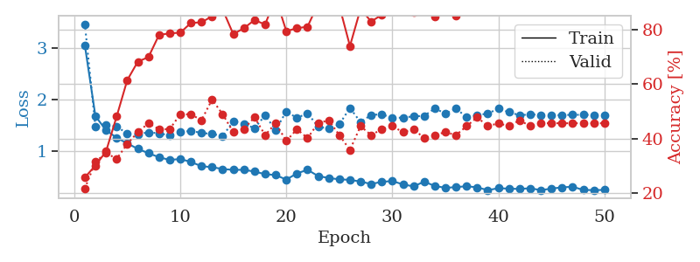
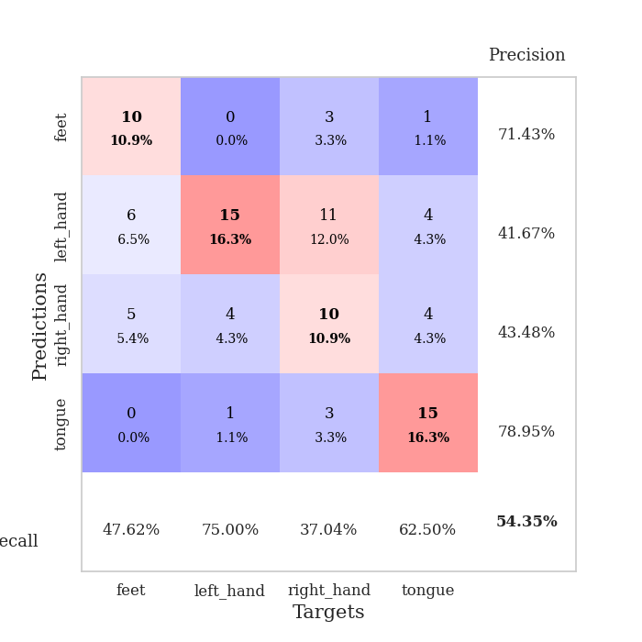
train_loss | valid_loss | train_accuracy | valid_accuracy | dur | train_misclass | valid_misclass
3.6695134795 | 6.5789558577 | 0.2472826087 | 0.26086956522 | 0.082756757736 | 24.72826087 | 26.086956522
1.6299392866 | 3.620994941 | 0.25 | 0.26086956522 | 0.081898927689 | 25 | 26.086956522
1.4106651415 | 3.4403017189 | 0.25815217391 | 0.26086956522 | 0.08172416687 | 25.815217391 | 26.086956522
1.2701657855 | 2.1735423285 | 0.28804347826 | 0.28260869565 | 0.081984758377 | 28.804347826 | 28.260869565
1.1633224461 | 1.5710088118 | 0.43206521739 | 0.34782608696 | 0.082106113434 | 43.206521739 | 34.782608696
1.1206062903 | 1.4672199073 | 0.54076086957 | 0.38043478261 | 0.081860780716 | 54.076086957 | 38.043478261
1.0128312914 | 1.2557552146 | 0.67391304348 | 0.47826086957 | 0.081926822662 | 67.391304348 | 47.826086957
0.94658328139 | 1.2483401635 | 0.74456521739 | 0.44565217391 | 0.08185338974 | 74.456521739 | 44.565217391
0.85568971478 | 1.3211262304 | 0.76902173913 | 0.52173913043 | 0.08154129982 | 76.902173913 | 52.173913043
0.79982552451 | 1.4754336502 | 0.75815217391 | 0.4347826087 | 0.081739664078 | 75.815217391 | 43.47826087
0.75854124712 | 1.2579306157 | 0.83967391304 | 0.45652173913 | 0.081531047821 | 83.967391304 | 45.652173913
0.71357700747 | 1.2682362536 | 0.74456521739 | 0.47826086957 | 0.081768751144 | 74.456521739 | 47.826086957
0.67918207075 | 1.6450522205 | 0.70923913043 | 0.36956521739 | 0.081456661224 | 70.923913043 | 36.956521739
0.69349746082 | 1.3440181328 | 0.85869565217 | 0.42391304348 | 0.081686973572 | 85.869565217 | 42.391304348
0.620560648 | 1.651557316 | 0.75543478261 | 0.35869565217 | 0.08153629303 | 75.543478261 | 35.869565217
0.59771860618 | 1.4830294666 | 0.8097826087 | 0.38043478261 | 0.081681489944 | 80.97826087 | 38.043478261
0.57551699553 | 1.4044559235 | 0.86684782609 | 0.46739130435 | 0.081708192825 | 86.684782609 | 46.739130435
0.56255499176 | 1.7132560844 | 0.67934782609 | 0.40217391304 | 0.081528425217 | 67.934782609 | 40.217391304
0.58775007077 | 1.6243779504 | 0.72826086957 | 0.4347826087 | 0.081590175629 | 72.826086957 | 43.47826087
0.49480819767 | 1.4892557341 | 0.80163043478 | 0.42391304348 | 0.081717252731 | 80.163043478 | 42.391304348
0.53563633691 | 1.3921262518 | 0.89945652174 | 0.47826086957 | 0.081397533417 | 89.945652174 | 47.826086957
0.49137351468 | 1.5684021193 | 0.75543478261 | 0.45652173913 | 0.081545591354 | 75.543478261 | 45.652173913
0.42143259554 | 1.7693614286 | 0.74184782609 | 0.42391304348 | 0.081572055817 | 74.184782609 | 42.391304348
0.45491186238 | 1.6488986896 | 0.77717391304 | 0.4347826087 | 0.081571340561 | 77.717391304 | 43.47826087
0.45779433717 | 1.6640177862 | 0.76902173913 | 0.45652173913 | 0.081496953964 | 76.902173913 | 45.652173913
0.48884945428 | 1.8859439363 | 0.73097826087 | 0.41304347826 | 0.081416368484 | 73.097826087 | 41.304347826
0.37543561601 | 1.9721006777 | 0.69293478261 | 0.41304347826 | 0.081699132919 | 69.293478261 | 41.304347826
0.39027103004 | 2.0566909832 | 0.69565217391 | 0.38043478261 | 0.085479736328 | 69.565217391 | 38.043478261
0.3059713212 | 2.3078019619 | 0.64402173913 | 0.38043478261 | 0.081794977188 | 64.402173913 | 38.043478261
0.36349575416 | 2.0416169944 | 0.7527173913 | 0.4347826087 | 0.081761598587 | 75.27173913 | 43.47826087
0.37047935569 | 2.0018442455 | 0.7472826087 | 0.4347826087 | 0.08154797554 | 74.72826087 | 43.47826087
0.38466938553 | 2.3037396307 | 0.66847826087 | 0.41304347826 | 0.081750154495 | 66.847826087 | 41.304347826
0.29865128644 | 2.0489607013 | 0.73641304348 | 0.41304347826 | 0.086108446121 | 73.641304348 | 41.304347826
0.32830346343 | 2.1954776463 | 0.6902173913 | 0.38043478261 | 0.083097934723 | 69.02173913 | 38.043478261
0.30197343068 | 2.2367751702 | 0.70923913043 | 0.40217391304 | 0.082574367523 | 70.923913043 | 40.217391304
0.35649529197 | 2.0613578299 | 0.74184782609 | 0.40217391304 | 0.081784248352 | 74.184782609 | 40.217391304
0.30149582028 | 1.9142123564 | 0.79619565217 | 0.45652173913 | 0.081958770752 | 79.619565217 | 45.652173913
0.22831162195 | 2.1154324853 | 0.7527173913 | 0.42391304348 | 0.081938028336 | 75.27173913 | 42.391304348
0.28778881094 | 2.2274081862 | 0.72826086957 | 0.42391304348 | 0.081646680832 | 72.826086957 | 42.391304348
0.27996849139 | 2.2337737343 | 0.71739130435 | 0.42391304348 | 0.0818836689 | 71.739130435 | 42.391304348
0.28240829253 | 2.1946862625 | 0.72554347826 | 0.41304347826 | 0.081733465195 | 72.554347826 | 41.304347826
0.2297225682 | 2.1943529637 | 0.73913043478 | 0.42391304348 | 0.083558082581 | 73.913043478 | 42.391304348
0.27391896624 | 2.1605314224 | 0.76630434783 | 0.42391304348 | 0.084017276764 | 76.630434783 | 42.391304348
0.25064597587 | 2.1298524038 | 0.78260869565 | 0.42391304348 | 0.082781791687 | 78.260869565 | 42.391304348
0.32364986869 | 2.097817421 | 0.79891304348 | 0.44565217391 | 0.082005739212 | 79.891304348 | 44.565217391
0.31009041955 | 2.0840450422 | 0.8125 | 0.44565217391 | 0.082313299179 | 81.25 | 44.565217391
0.27391914829 | 2.0736972819 | 0.8152173913 | 0.45652173913 | 0.081928014755 | 81.52173913 | 45.652173913
0.25696202821 | 2.0676843757 | 0.81793478261 | 0.45652173913 | 0.082050323486 | 81.793478261 | 45.652173913
0.23759321285 | 2.062462107 | 0.82336956522 | 0.45652173913 | 0.082082748413 | 82.336956522 | 45.652173913
0.29949752727 | 2.0570551623 | 0.82336956522 | 0.45652173913 | 0.082059383392 | 82.336956522 | 45.652173913

Best Val accuracy is 0.5217391304347826 and Best test accuracy is 0.3706896551724138
train_loss | valid_loss | train_accuracy | valid_accuracy | dur | train_misclass | valid_misclass
3.0577830854 | 3.4672091215 | 0.25815217391 | 0.21739130435 | 0.093500852585 | 25.815217391 | 21.739130435
1.6758165826 | 1.4671173614 | 0.30163043478 | 0.3152173913 | 0.088629245758 | 30.163043478 | 31.52173913
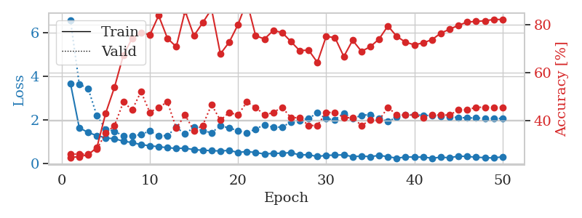
1.4016344159 | 1.4980290662 | 0.35326086957 | 0.34782608696 | 0.083765029907 | 35.326086957 | 34.782608696
1.2565868315 | 1.4764615971 | 0.48097826087 | 0.32608695652 | 0.083802223206 | 48.097826087 | 32.608695652
1.1457618967 | 1.33380369 | 0.61413043478 | 0.38043478261 | 0.10773229599 | 61.413043478 | 38.043478261
1.0396980566 | 1.326522314 | 0.68206521739 | 0.42391304348 | 0.092874288559 | 68.206521739 | 42.391304348
0.95531610302 | 1.3607213342 | 0.69836956522 | 0.45652173913 | 0.090211391449 | 69.836956522 | 45.652173913
0.87653660515 | 1.3430985109 | 0.77989130435 | 0.4347826087 | 0.085964202881 | 77.989130435 | 43.47826087
0.82415121664 | 1.300155479 | 0.78532608696 | 0.4347826087 | 0.084426164627 | 78.532608696 | 43.47826087
0.8423945826 | 1.3613495775 | 0.78804347826 | 0.48913043478 | 0.33101177216 | 78.804347826 | 48.913043478
0.78508050545 | 1.3901890153 | 0.82336956522 | 0.48913043478 | 0.096257209778 | 82.336956522 | 48.913043478
0.70165261626 | 1.3492286698 | 0.82608695652 | 0.46739130435 | 0.09210562706 | 82.608695652 | 46.739130435
0.68405612526 | 1.3290392912 | 0.84782608696 | 0.54347826087 | 0.091536045074 | 84.782608696 | 54.347826087
0.64701815533 | 1.2888397834 | 0.8722826087 | 0.48913043478 | 0.084507226944 | 87.22826087 | 48.913043478
0.63105335054 | 1.5751484736 | 0.78260869565 | 0.42391304348 | 0.084248304367 | 78.260869565 | 42.391304348
0.63207410341 | 1.5236452818 | 0.80434782609 | 0.4347826087 | 0.1074924469 | 80.434782609 | 43.47826087
0.5976575924 | 1.4431733567 | 0.83423913043 | 0.47826086957 | 0.09277176857 | 83.423913043 | 47.826086957
0.5474633121 | 1.6887290996 | 0.81793478261 | 0.41304347826 | 0.092726230621 | 81.793478261 | 41.304347826
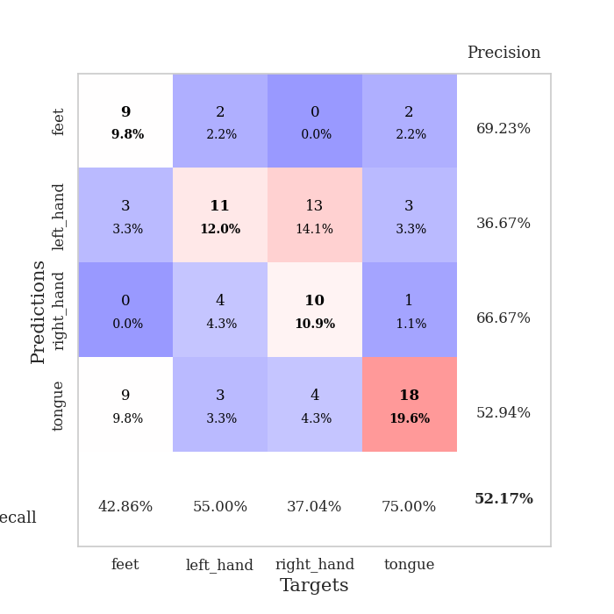
0.52974551851 | 1.4062026687 | 0.91576086957 | 0.45652173913 | 0.085747003555 | 91.576086957 | 45.652173913
0.44127439286 | 1.7687808172 | 0.79347826087 | 0.39130434783 | 0.084449768066 | 79.347826087 | 39.130434783
0.56271818086 | 1.639119423 | 0.80434782609 | 0.4347826087 | 0.32884836197 | 80.434782609 | 43.47826087
0.63178659133 | 1.7347155991 | 0.8097826087 | 0.40217391304 | 0.096808671951 | 80.97826087 | 40.217391304
0.51118747242 | 1.4702241965 | 0.89402173913 | 0.45652173913 | 0.093101024628 | 89.402173913 | 45.652173913
0.47234717271 | 1.4313155957 | 0.9347826087 | 0.46739130435 | 0.091412305832 | 93.47826087 | 46.739130435
0.44691447784 | 1.5170843627 | 0.88586956522 | 0.41304347826 | 0.085002422333 | 88.586956522 | 41.304347826
0.43682833307 | 1.8352981443 | 0.73913043478 | 0.35869565217 | 0.084624767303 | 73.913043478 | 35.869565217
0.40378104733 | 1.5592674535 | 0.875 | 0.44565217391 | 0.10877776146 | 87.5 | 44.565217391
0.35551063004 | 1.6988537674 | 0.82880434783 | 0.41304347826 | 0.09512925148 | 82.880434783 | 41.304347826
0.39871411933 | 1.7117845027 | 0.85326086957 | 0.4347826087 | 0.091286659241 | 85.326086957 | 43.47826087
0.41312350495 | 1.6409367686 | 0.88858695652 | 0.44565217391 | 0.086393117905 | 88.858695652 | 44.565217391
0.34834093471 | 1.6466724251 | 0.88315217391 | 0.42391304348 | 0.084543466568 | 88.315217391 | 42.391304348
0.309535988 | 1.6728365888 | 0.86413043478 | 0.4347826087 | 0.32149624825 | 86.413043478 | 43.47826087
0.40149421601 | 1.6792916578 | 0.89945652174 | 0.40217391304 | 0.09808754921 | 89.945652174 | 40.217391304
0.31824242648 | 1.8263912719 | 0.84782608696 | 0.41304347826 | 0.094022274017 | 84.782608696 | 41.304347826
0.28175306272 | 1.7259263422 | 0.88315217391 | 0.42391304348 | 0.08927989006 | 88.315217391 | 42.391304348
0.2954576145 | 1.8223332581 | 0.85054347826 | 0.41304347826 | 0.084602832794 | 85.054347826 | 41.304347826
0.31314541594 | 1.6566236486 | 0.92934782609 | 0.44565217391 | 0.084276199341 | 92.934782609 | 44.565217391
0.29040037355 | 1.6953041243 | 0.9347826087 | 0.47826086957 | 0.12706303596 | 93.47826087 | 47.826086957
0.2364855616 | 1.7265781371 | 0.92663043478 | 0.44565217391 | 0.092777252197 | 92.663043478 | 44.565217391
0.2742646113 | 1.8207913896 | 0.91304347826 | 0.45652173913 | 0.089996814728 | 91.304347826 | 45.652173913
0.26573021937 | 1.7525622948 | 0.9375 | 0.44565217391 | 0.088208436966 | 93.75 | 44.565217391
0.25998679443 | 1.6927637743 | 0.94293478261 | 0.46739130435 | 0.084981441498 | 94.293478261 | 46.739130435
0.27389441755 | 1.7100200135 | 0.9402173913 | 0.44565217391 | 0.32502794266 | 94.02173913 | 44.565217391
0.23621456876 | 1.6999528253 | 0.9375 | 0.45652173913 | 0.097456932068 | 93.75 | 45.652173913
0.26684098594 | 1.692548446 | 0.9402173913 | 0.45652173913 | 0.091670751572 | 94.02173913 | 45.652173913
0.29065993234 | 1.6955726561 | 0.9402173913 | 0.45652173913 | 0.089027404785 | 94.02173913 | 45.652173913
0.3030687049 | 1.7019106772 | 0.9402173913 | 0.45652173913 | 0.08452963829 | 94.02173913 | 45.652173913
0.24046198408 | 1.7010410247 | 0.9402173913 | 0.45652173913 | 0.084375619888 | 94.02173913 | 45.652173913
0.23735262956 | 1.7001615296 | 0.94293478261 | 0.45652173913 | 0.11074662209 | 94.293478261 | 45.652173913
0.24038290103 | 1.7002855747 | 0.94293478261 | 0.45652173913 | 0.093154668808 | 94.293478261 | 45.652173913

Best Val accuracy is 0.5434782608695652 and Best test accuracy is 0.4827586206896552

Sheet7
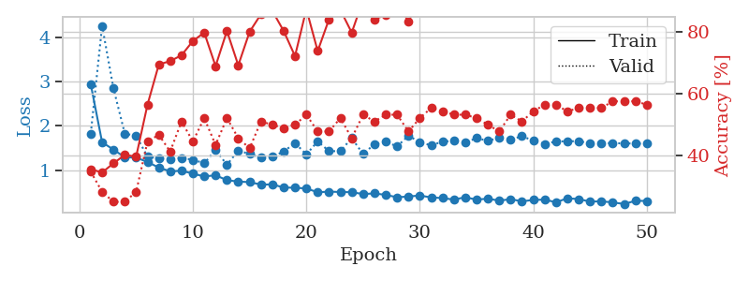
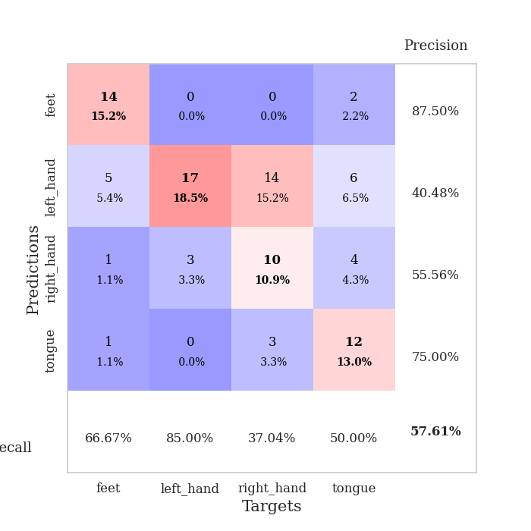
train_loss | valid_loss | train_accuracy | valid_accuracy | dur | train_misclass | valid_misclass
3.7268148298 | 3.3877613648 | 0.2472826087 | 0.26086956522 | 0.082798480988 | 24.72826087 | 26.086956522
1.7477995572 | 2.7572985888 | 0.24456521739 | 0.26086956522 | 0.082264661789 | 24.456521739 | 26.086956522
1.4206058668 | 1.6922312405 | 0.29891304348 | 0.32608695652 | 0.082363367081 | 29.891304348 | 32.608695652
1.2490971244 | 1.7099783524 | 0.47282608696 | 0.32608695652 | 0.082321405411 | 47.282608696 | 32.608695652
1.1493524702 | 1.7416782327 | 0.4402173913 | 0.27173913043 | 0.08197927475 | 44.02173913 | 27.173913043
1.1098880768 | 1.3808565814 | 0.60869565217 | 0.4347826087 | 0.08201622963 | 60.869565217 | 43.47826087
1.0471075436 | 1.4007336756 | 0.55434782609 | 0.36956521739 | 0.082274198532 | 55.434782609 | 36.956521739
1.0448533633 | 1.2094481302 | 0.65217391304 | 0.4347826087 | 0.082369089127 | 65.217391304 | 43.47826087
0.99835106601 | 1.3614514237 | 0.71195652174 | 0.38043478261 | 0.082206010818 | 71.195652174 | 38.043478261
0.92472528634 | 1.4266700848 | 0.70380434783 | 0.39130434783 | 0.082268953323 | 70.380434783 | 39.130434783
0.88914375202 | 1.4416936558 | 0.72554347826 | 0.38043478261 | 0.082161426544 | 72.554347826 | 38.043478261
0.89123317211 | 1.7338997437 | 0.63043478261 | 0.36956521739 | 0.082411527634 | 63.043478261 | 36.956521739
0.85435714929 | 1.3771011104 | 0.73369565217 | 0.44565217391 | 0.082394361496 | 73.369565217 | 44.565217391
0.86729637695 | 1.5289129744 | 0.64945652174 | 0.38043478261 | 0.082554101944 | 64.945652174 | 38.043478261
0.79949436499 | 1.3992228404 | 0.7472826087 | 0.41304347826 | 0.08253455162 | 74.72826087 | 41.304347826
0.75436138329 | 1.7502139496 | 0.59510869565 | 0.39130434783 | 0.082399368286 | 59.510869565 | 39.130434783
0.72513897263 | 1.9089038942 | 0.54619565217 | 0.32608695652 | 0.082563400269 | 54.619565217 | 32.608695652
0.68652265875 | 1.6365920098 | 0.63043478261 | 0.35869565217 | 0.082307100296 | 63.043478261 | 35.869565217
0.69651629614 | 2.1257764775 | 0.5027173913 | 0.3152173913 | 0.082450628281 | 50.27173913 | 31.52173913
0.63977695159 | 1.4214125716 | 0.72010869565 | 0.4347826087 | 0.082371473312 | 72.010869565 | 43.47826087
0.61622890053 | 1.5777634901 | 0.71467391304 | 0.42391304348 | 0.081912517548 | 71.467391304 | 42.391304348
0.57759605802 | 1.6907677028 | 0.70923913043 | 0.39130434783 | 0.082150220871 | 70.923913043 | 39.130434783
0.53296973394 | 1.6878757943 | 0.72010869565 | 0.40217391304 | 0.082371473312 | 72.010869565 | 40.217391304
0.55165650404 | 1.84732844 | 0.6875 | 0.36956521739 | 0.082119703293 | 68.75 | 36.956521739
0.51146302469 | 1.5640915943 | 0.82065217391 | 0.40217391304 | 0.082296133041 | 82.065217391 | 40.217391304
0.46177112279 | 1.9836467919 | 0.64945652174 | 0.34782608696 | 0.082466602325 | 64.945652174 | 34.782608696
0.43677113821 | 1.5345146034 | 0.8152173913 | 0.42391304348 | 0.08235502243 | 81.52173913 | 42.391304348
0.47815213126 | 1.4828017328 | 0.82065217391 | 0.47826086957 | 0.082193374634 | 82.065217391 | 47.826086957
0.44718506867 | 1.6438427127 | 0.79891304348 | 0.45652173913 | 0.082454204559 | 79.891304348 | 45.652173913
0.43272161937 | 1.6629044232 | 0.78532608696 | 0.46739130435 | 0.082288503647 | 78.532608696 | 46.739130435
0.4088049518 | 1.7857595941 | 0.77445652174 | 0.44565217391 | 0.082305908203 | 77.445652174 | 44.565217391
0.42640714866 | 1.8305378116 | 0.77989130435 | 0.47826086957 | 0.082293748856 | 77.989130435 | 47.826086957
0.33835172038 | 1.7192114073 | 0.8125 | 0.45652173913 | 0.082457780838 | 81.25 | 45.652173913
0.38537300281 | 2.0999826193 | 0.69565217391 | 0.35869565217 | 0.08244395256 | 69.565217391 | 35.869565217
0.32476914804 | 2.003022904 | 0.72282608696 | 0.38043478261 | 0.084863901138 | 72.282608696 | 38.043478261
0.34385869684 | 1.9876057843 | 0.7527173913 | 0.39130434783 | 0.080805301666 | 75.27173913 | 39.130434783
0.36969095825 | 1.8616923612 | 0.79076086957 | 0.39130434783 | 0.080489873886 | 79.076086957 | 39.130434783
0.34567302336 | 1.7857511303 | 0.82336956522 | 0.40217391304 | 0.080881357193 | 82.336956522 | 40.217391304
0.33640370259 | 1.7951444439 | 0.82608695652 | 0.39130434783 | 0.080593109131 | 82.608695652 | 39.130434783
0.32732553521 | 1.7801081668 | 0.82608695652 | 0.40217391304 | 0.080758571625 | 82.608695652 | 40.217391304
0.30966993713 | 1.900552081 | 0.78532608696 | 0.38043478261 | 0.080833435059 | 78.532608696 | 38.043478261
0.32916839097 | 1.8414884391 | 0.80434782609 | 0.38043478261 | 0.080808401108 | 80.434782609 | 38.043478261
0.29982887208 | 1.8123659984 | 0.8152173913 | 0.38043478261 | 0.080729007721 | 81.52173913 | 38.043478261
0.28756549695 | 1.7832984872 | 0.83152173913 | 0.39130434783 | 0.080843687057 | 83.152173913 | 39.130434783
0.29076623139 | 1.7404598931 | 0.84510869565 | 0.42391304348 | 0.080739974976 | 84.510869565 | 42.391304348
0.28742734278 | 1.7288671421 | 0.85054347826 | 0.44565217391 | 0.080915689468 | 85.054347826 | 44.565217391
0.30532944721 | 1.7211303037 | 0.85326086957 | 0.44565217391 | 0.080924987793 | 85.326086957 | 44.565217391
0.34154695013 | 1.7052995226 | 0.86141304348 | 0.44565217391 | 0.080748319626 | 86.141304348 | 44.565217391
0.3009257945 | 1.6931421964 | 0.86684782609 | 0.44565217391 | 0.080424308777 | 86.684782609 | 44.565217391
0.28076363096 | 1.6828529679 | 0.8777173913 | 0.44565217391 | 0.080732345581 | 87.77173913 | 44.565217391

Best Val accuracy is 0.4782608695652174 and Best test accuracy is 0.4396551724137931
train_loss | valid_loss | train_accuracy | valid_accuracy | dur | train_misclass | valid_misclass
2.9359833572 | 1.8220031313 | 0.35597826087 | 0.34782608696 | 0.097340583801 | 35.597826087 | 34.782608696
1.6275412207 | 4.2595459586 | 0.34510869565 | 0.28260869565 | 0.093819379807 | 34.510869565 | 28.260869565
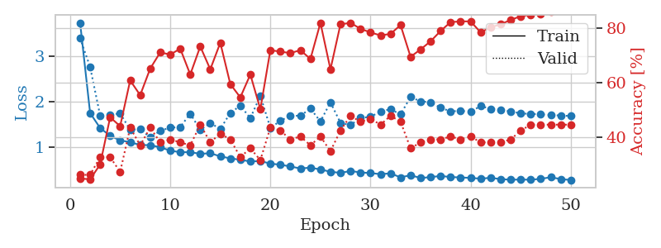
1.4616008738 | 2.8456772825 | 0.375 | 0.25 | 0.089534759521 | 37.5 | 25
1.2878231328 | 1.8213611271 | 0.40217391304 | 0.25 | 0.084455013275 | 40.217391304 | 25
1.2820262287 | 1.7747506836 | 0.39673913043 | 0.28260869565 | 0.22644400597 | 39.673913043 | 28.260869565
1.1816216215 | 1.3028832933 | 0.5652173913 | 0.44565217391 | 0.10427093506 | 56.52173913 | 44.565217391
1.0551827265 | 1.2582852167 | 0.69565217391 | 0.46739130435 | 0.094438314438 | 69.565217391 | 46.739130435
0.97047505171 | 1.2514599769 | 0.70652173913 | 0.41304347826 | 0.089342594147 | 70.652173913 | 41.304347826
0.98377688812 | 1.2704080862 | 0.72554347826 | 0.51086956522 | 0.085042238235 | 72.554347826 | 51.086956522
0.91961695837 | 1.2332512296 | 0.77173913043 | 0.44565217391 | 0.084314107895 | 77.173913043 | 44.565217391
0.8541555897 | 1.1521673565 | 0.79891304348 | 0.52173913043 | 0.33307957649 | 79.891304348 | 52.173913043
0.88255476952 | 1.4547000139 | 0.6902173913 | 0.4347826087 | 0.095098733902 | 69.02173913 | 43.47826087
0.76990259212 | 1.118485062 | 0.80434782609 | 0.52173913043 | 0.091568470001 | 80.434782609 | 52.173913043
0.73960116506 | 1.4415892881 | 0.69293478261 | 0.45652173913 | 0.087676763535 | 69.293478261 | 45.652173913
0.72615274009 | 1.3604384972 | 0.80163043478 | 0.42391304348 | 0.083969593048 | 80.163043478 | 42.391304348
0.67167513008 | 1.2784076411 | 0.85869565217 | 0.51086956522 | 0.19801044464 | 85.869565217 | 51.086956522
0.67498480496 | 1.305516103 | 0.86956521739 | 0.5 | 0.10434985161 | 86.956521739 | 50
0.60588957499 | 1.4160252343 | 0.80434782609 | 0.48913043478 | 0.09256529808 | 80.434782609 | 48.913043478
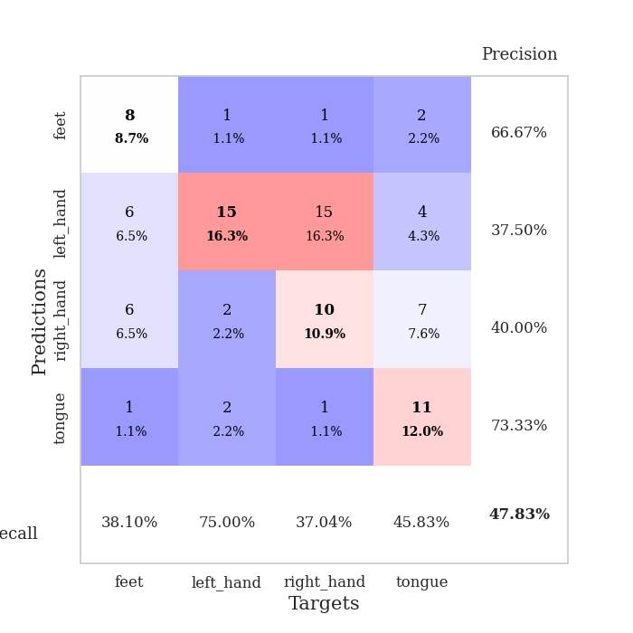
0.59906095785 | 1.6120269765 | 0.72282608696 | 0.5 | 0.090395927429 | 72.282608696 | 50
0.58421697953 | 1.3514115862 | 0.875 | 0.53260869565 | 0.085803031921 | 87.5 | 53.260869565
0.49721920814 | 1.6483862037 | 0.73913043478 | 0.47826086957 | 0.08522772789 | 73.913043478 | 47.826086957
0.51246621816 | 1.4255840156 | 0.84239130435 | 0.47826086957 | 0.33017015457 | 84.239130435 | 47.826086957
0.50336506963 | 1.4280149159 | 0.8722826087 | 0.52173913043 | 0.09615278244 | 87.22826087 | 52.173913043
0.49908675318 | 1.7212534106 | 0.79891304348 | 0.45652173913 | 0.091713428497 | 79.891304348 | 45.652173913
0.45722331431 | 1.3614782302 | 0.90489130435 | 0.53260869565 | 0.093105316162 | 90.489130435 | 53.260869565
0.47194582094 | 1.5843731165 | 0.84239130435 | 0.51086956522 | 0.084478616714 | 84.239130435 | 51.086956522
0.43838551122 | 1.6403488024 | 0.85597826087 | 0.53260869565 | 0.084733009338 | 85.597826087 | 53.260869565
0.38418932583 | 1.5321841292 | 0.89673913043 | 0.53260869565 | 0.10751414299 | 89.673913043 | 53.260869565
0.40210874184 | 1.7789661781 | 0.83423913043 | 0.47826086957 | 0.093283891678 | 83.423913043 | 47.826086957
0.42441271245 | 1.6244679586 | 0.91576086957 | 0.52173913043 | 0.090003013611 | 91.576086957 | 52.173913043
0.38058721177 | 1.5583274883 | 0.92663043478 | 0.55434782609 | 0.086319446564 | 92.663043478 | 55.434782609
0.36658686076 | 1.6416868593 | 0.91576086957 | 0.54347826087 | 0.084810972214 | 91.576086957 | 54.347826087
0.33178634035 | 1.6599880923 | 0.89945652174 | 0.53260869565 | 0.32667517662 | 89.945652174 | 53.260869565
0.38504227186 | 1.6190750962 | 0.94565217391 | 0.53260869565 | 0.09564781189 | 94.565217391 | 53.260869565
0.33130010315 | 1.7210074663 | 0.94565217391 | 0.52173913043 | 0.09193611145 | 94.565217391 | 52.173913043
0.35349167106 | 1.6606258413 | 0.9375 | 0.5 | 0.088701725006 | 93.75 | 50
0.30766582975 | 1.7282697792 | 0.90217391304 | 0.47826086957 | 0.084363222122 | 90.217391304 | 47.826086957
0.34241351161 | 1.6876530492 | 0.92934782609 | 0.53260869565 | 0.087727069855 | 92.934782609 | 53.260869565
0.29172671003 | 1.7659352966 | 0.92119565217 | 0.51086956522 | 0.12244057655 | 92.119565217 | 51.086956522
0.3247508235 | 1.6625055178 | 0.95380434783 | 0.54347826087 | 0.092354536057 | 95.380434783 | 54.347826087
0.33131715914 | 1.5930083005 | 0.95923913043 | 0.5652173913 | 0.089339494705 | 95.923913043 | 56.52173913
0.27176742353 | 1.6417942514 | 0.95108695652 | 0.5652173913 | 0.086032152176 | 95.108695652 | 56.52173913
0.36108371421 | 1.6530690038 | 0.95380434783 | 0.54347826087 | 0.087055444717 | 95.380434783 | 54.347826087
0.3443199652 | 1.6488163575 | 0.95108695652 | 0.55434782609 | 0.12395739555 | 95.108695652 | 55.434782609
0.28596070506 | 1.6129131265 | 0.95652173913 | 0.55434782609 | 0.094048976898 | 95.652173913 | 55.434782609
0.29403315906 | 1.6081249869 | 0.95923913043 | 0.55434782609 | 0.092569828033 | 95.923913043 | 55.434782609
0.26805025242 | 1.6066289622 | 0.95923913043 | 0.57608695652 | 0.08690404892 | 95.923913043 | 57.608695652
0.23354344135 | 1.6023357277 | 0.96195652174 | 0.57608695652 | 0.084471464157 | 96.195652174 | 57.608695652
0.30416335846 | 1.5986100954 | 0.96467391304 | 0.57608695652 | 0.32087540627 | 96.467391304 | 57.608695652
0.30206783699 | 1.5960714299 | 0.96467391304 | 0.5652173913 | 0.095367670059 | 96.467391304 | 56.52173913

Best Val accuracy is 0.5760869565217391 and Best test accuracy is 0.5086206896551724

Sheet8
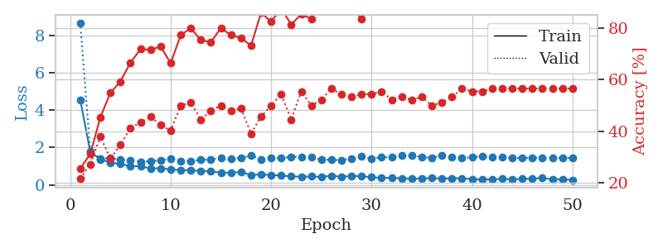
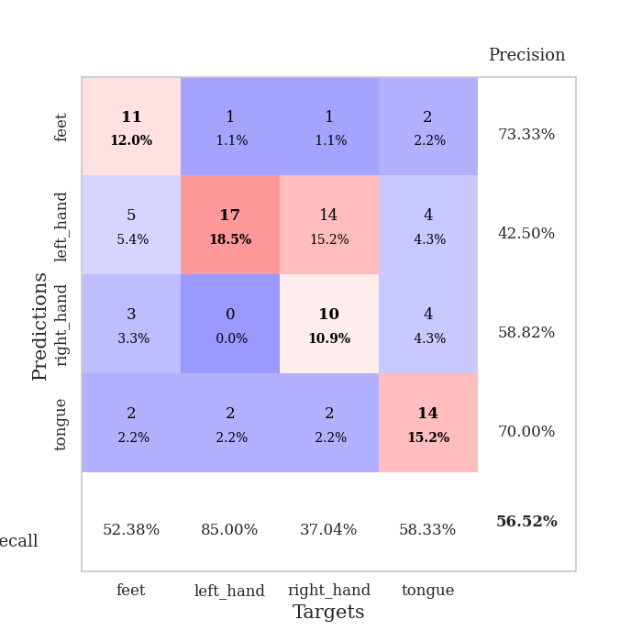
train_loss | valid_loss | train_accuracy | valid_accuracy | dur | train_misclass | valid_misclass
3.3272691447 | 3.321130877 | 0.26902173913 | 0.3152173913 | 0.082227230072 | 26.902173913 | 31.52173913
1.611254775 | 4.1922616544 | 0.25543478261 | 0.27173913043 | 0.079854488373 | 25.543478261 | 27.173913043
1.4386745899 | 1.9378312774 | 0.29076086957 | 0.28260869565 | 0.080159664154 | 29.076086957 | 28.260869565
1.2476314384 | 1.2203227463 | 0.55706521739 | 0.4347826087 | 0.080149412155 | 55.706521739 | 43.47826087
1.0793326108 | 1.1243290668 | 0.63315217391 | 0.52173913043 | 0.080152273178 | 63.315217391 | 52.173913043
0.98941847293 | 1.2351633725 | 0.6847826087 | 0.47826086957 | 0.080238103867 | 68.47826087 | 47.826086957
0.91002180006 | 1.2865397153 | 0.67119565217 | 0.42391304348 | 0.080103635788 | 67.119565217 | 42.391304348
0.88520219404 | 1.2755621464 | 0.69293478261 | 0.46739130435 | 0.08020734787 | 69.293478261 | 46.739130435
0.86247941981 | 1.2669755739 | 0.76086956522 | 0.45652173913 | 0.080043077469 | 76.086956522 | 45.652173913
0.78671773232 | 1.2405004812 | 0.76358695652 | 0.44565217391 | 0.080162525177 | 76.358695652 | 44.565217391
0.76767623554 | 1.6801120457 | 0.63043478261 | 0.38043478261 | 0.080310821533 | 63.043478261 | 38.043478261
0.7181834423 | 1.525226733 | 0.78532608696 | 0.40217391304 | 0.080516576767 | 78.532608696 | 40.217391304
0.5819047819 | 1.5569383632 | 0.76902173913 | 0.42391304348 | 0.080446720123 | 76.902173913 | 42.391304348
0.59123968689 | 1.377441712 | 0.84239130435 | 0.53260869565 | 0.080496788025 | 84.239130435 | 53.260869565
0.5600979367 | 1.5265003754 | 0.84782608696 | 0.45652173913 | 0.080674171448 | 84.782608696 | 45.652173913
0.5354075393 | 1.5932953617 | 0.81793478261 | 0.46739130435 | 0.080307722092 | 81.793478261 | 46.739130435
0.53303686562 | 1.6463599153 | 0.77173913043 | 0.44565217391 | 0.080623865128 | 77.173913043 | 44.565217391
0.46971806495 | 1.3820892883 | 0.88586956522 | 0.48913043478 | 0.080436468124 | 88.586956522 | 48.913043478
0.41886297322 | 1.4308638314 | 0.86684782609 | 0.52173913043 | 0.080324649811 | 86.684782609 | 52.173913043
0.46189861647 | 1.4465596313 | 0.89945652174 | 0.5 | 0.080474615097 | 89.945652174 | 50
0.38064116758 | 1.5178630974 | 0.88586956522 | 0.47826086957 | 0.080234050751 | 88.586956522 | 47.826086957
0.38175717968 | 1.6806477153 | 0.86684782609 | 0.46739130435 | 0.080277442932 | 86.684782609 | 46.739130435
0.40919042411 | 1.5915263736 | 0.91576086957 | 0.48913043478 | 0.08050775528 | 91.576086957 | 48.913043478
0.33604572389 | 1.5388546871 | 0.94836956522 | 0.52173913043 | 0.080559015274 | 94.836956522 | 52.173913043
0.40574957722 | 1.4929541609 | 0.92934782609 | 0.47826086957 | 0.080382823944 | 92.934782609 | 47.826086957
0.38360247534 | 1.6619407353 | 0.83967391304 | 0.44565217391 | 0.080320119858 | 83.967391304 | 44.565217391
0.32548257709 | 1.6903219689 | 0.82065217391 | 0.45652173913 | 0.08034157753 | 82.065217391 | 45.652173913
0.2849075318 | 1.6507822016 | 0.82880434783 | 0.48913043478 | 0.080408573151 | 82.880434783 | 48.913043478
0.28652405739 | 1.6499584239 | 0.8777173913 | 0.46739130435 | 0.080364704132 | 87.77173913 | 46.739130435
0.3284430993 | 1.6306810638 | 0.85054347826 | 0.5 | 0.080667257309 | 85.054347826 | 50
0.30698121582 | 1.5891935048 | 0.90760869565 | 0.47826086957 | 0.080607652664 | 90.760869565 | 47.826086957
0.29550053212 | 1.9064946434 | 0.83152173913 | 0.45652173913 | 0.080645084381 | 83.152173913 | 45.652173913
0.29651963776 | 1.8035070222 | 0.82880434783 | 0.45652173913 | 0.080545663834 | 82.880434783 | 45.652173913
0.2698900826 | 1.7475221935 | 0.88586956522 | 0.45652173913 | 0.080259561539 | 88.586956522 | 45.652173913
0.2569028489 | 1.8771763885 | 0.83967391304 | 0.44565217391 | 0.080389499664 | 83.967391304 | 44.565217391
0.21520550646 | 1.7877780355 | 0.90489130435 | 0.44565217391 | 0.080255031586 | 90.489130435 | 44.565217391
0.24540559073 | 1.8567989235 | 0.89402173913 | 0.45652173913 | 0.08046746254 | 89.402173913 | 45.652173913
0.22550721224 | 1.7473251871 | 0.92119565217 | 0.46739130435 | 0.080518007278 | 92.119565217 | 46.739130435
0.2271890352 | 1.8089546276 | 0.89945652174 | 0.46739130435 | 0.080492019653 | 89.945652174 | 46.739130435
0.25795536002 | 1.8129765106 | 0.89402173913 | 0.45652173913 | 0.080526590347 | 89.402173913 | 45.652173913
0.22226136761 | 1.8511496886 | 0.8777173913 | 0.46739130435 | 0.080477952957 | 87.77173913 | 46.739130435
0.19780936287 | 1.9056152002 | 0.84510869565 | 0.47826086957 | 0.080565452576 | 84.510869565 | 47.826086957
0.20489431869 | 1.9264154901 | 0.86141304348 | 0.45652173913 | 0.080460071564 | 86.141304348 | 45.652173913
0.1760506868 | 1.9360974872 | 0.86956521739 | 0.45652173913 | 0.080340623856 | 86.956521739 | 45.652173913
0.20397388352 | 1.9098507425 | 0.8777173913 | 0.45652173913 | 0.08043885231 | 87.77173913 | 45.652173913
0.20230844115 | 1.9005667593 | 0.88586956522 | 0.45652173913 | 0.080446958542 | 88.586956522 | 45.652173913
0.1847909378 | 1.8903998551 | 0.88858695652 | 0.45652173913 | 0.080471038818 | 88.858695652 | 45.652173913
0.19965968961 | 1.8870755019 | 0.89130434783 | 0.45652173913 | 0.080181121826 | 89.130434783 | 45.652173913
0.1916142315 | 1.8860751961 | 0.89130434783 | 0.45652173913 | 0.080265522003 | 89.130434783 | 45.652173913
0.15744696007 | 1.8839581272 | 0.89402173913 | 0.45652173913 | 0.080515146255 | 89.402173913 | 45.652173913

Best Val accuracy is 0.532608695652174 and Best test accuracy is 0.47413793103448276
train_loss | valid_loss | train_accuracy | valid_accuracy | dur | train_misclass | valid_misclass
4.560293208 | 8.6749958785 | 0.25543478261 | 0.21739130435 | 0.11754465103 | 25.543478261 | 21.739130435
1.7548270588 | 1.809708502 | 0.3125 | 0.27173913043 | 0.094178438187 | 31.25 | 27.173913043
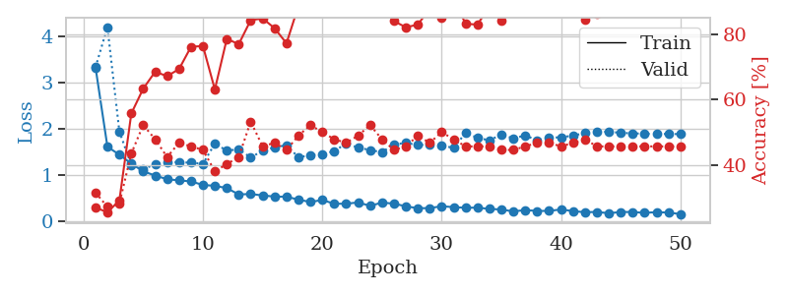
1.3736597714 | 1.4055270734 | 0.45380434783 | 0.38043478261 | 0.089500665665 | 45.380434783 | 38.043478261
1.1967712667 | 1.4310261737 | 0.54891304348 | 0.29347826087 | 0.084964036942 | 54.891304348 | 29.347826087
1.1181598669 | 1.3401404101 | 0.59239130435 | 0.34782608696 | 0.084452390671 | 59.239130435 | 34.782608696
1.0088076255 | 1.3235338408 | 0.66576086957 | 0.41304347826 | 0.21643662453 | 66.576086957 | 41.304347826
0.99840949411 | 1.2413868749 | 0.71739130435 | 0.4347826087 | 0.093445539474 | 71.739130435 | 43.47826087
0.88734206687 | 1.2772115365 | 0.71467391304 | 0.45652173913 | 0.085411548615 | 71.467391304 | 45.652173913
0.88592981774 | 1.3078709685 | 0.72826086957 | 0.42391304348 | 0.12714529037 | 72.826086957 | 42.391304348
0.83995727093 | 1.4127197732 | 0.66304347826 | 0.40217391304 | 0.12759804726 | 66.304347826 | 40.217391304
0.78635901731 | 1.288115149 | 0.77173913043 | 0.5 | 0.11084032059 | 77.173913043 | 50
0.78576594462 | 1.265543974 | 0.79891304348 | 0.51086956522 | 0.13114666939 | 79.891304348 | 51.086956522
0.74104582356 | 1.3448126886 | 0.7527173913 | 0.44565217391 | 0.10765719414 | 75.27173913 | 44.565217391
0.72532328315 | 1.3565501804 | 0.74456521739 | 0.47826086957 | 0.17904376984 | 74.456521739 | 47.826086957
0.65532956564 | 1.4467663972 | 0.79891304348 | 0.5 | 0.091766357422 | 79.891304348 | 50
0.64787904076 | 1.4045269334 | 0.77173913043 | 0.47826086957 | 0.087311267853 | 77.173913043 | 47.826086957
0.6873875688 | 1.4331646743 | 0.76086956522 | 0.48913043478 | 0.086497545242 | 76.086956522 | 48.913043478
0.52417862286 | 1.5732058442 | 0.73097826087 | 0.39130434783 | 0.084392547607 | 73.097826087 | 39.130434783
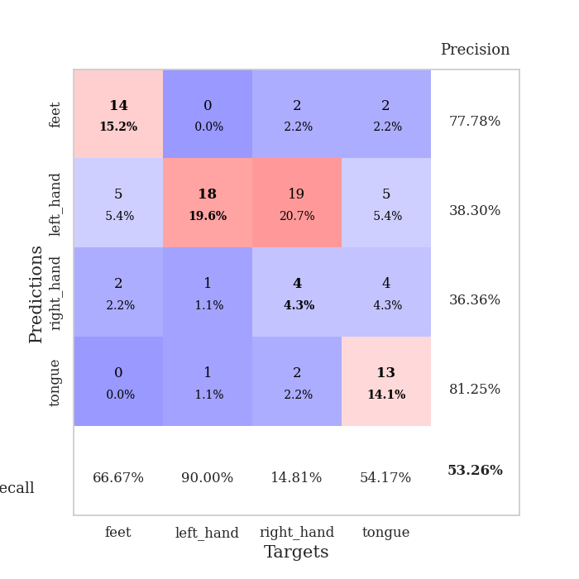
0.57105748679 | 1.3764196945 | 0.85869565217 | 0.45652173913 | 0.08413028717 | 85.869565217 | 45.652173913
0.52753363744 | 1.4643495446 | 0.82336956522 | 0.5 | 0.084147453308 | 82.336956522 | 50
0.5040257301 | 1.4233843606 | 0.875 | 0.54347826087 | 0.084369897842 | 87.5 | 54.347826087
0.45287721053 | 1.5086068744 | 0.8125 | 0.44565217391 | 0.084141492844 | 81.25 | 44.565217391
0.4403099165 | 1.5079134599 | 0.85326086957 | 0.55434782609 | 0.084372758865 | 85.326086957 | 55.434782609
0.45562681556 | 1.4862854118 | 0.83423913043 | 0.5 | 0.084249973297 | 83.423913043 | 50
0.42756900062 | 1.3596700223 | 0.91032608696 | 0.52173913043 | 0.08417224884 | 91.032608696 | 52.173913043
0.48877699803 | 1.3422557582 | 0.89945652174 | 0.5652173913 | 0.08412528038 | 89.945652174 | 56.52173913
0.43628699624 | 1.3200939272 | 0.91576086957 | 0.54347826087 | 0.084308862686 | 91.576086957 | 54.347826087
0.48073311668 | 1.4081186056 | 0.88315217391 | 0.53260869565 | 0.084080219269 | 88.315217391 | 53.260869565
0.46360338641 | 1.5142046835 | 0.83423913043 | 0.54347826087 | 0.083955764771 | 83.423913043 | 54.347826087
0.41185305689 | 1.4121920492 | 0.89402173913 | 0.54347826087 | 0.084307193756 | 89.402173913 | 54.347826087
0.37413878868 | 1.4683407908 | 0.89402173913 | 0.55434782609 | 0.085929632187 | 89.402173913 | 55.434782609
0.38078928674 | 1.5057686775 | 0.8777173913 | 0.52173913043 | 0.083742856979 | 87.77173913 | 52.173913043
0.34143319175 | 1.5869366604 | 0.8777173913 | 0.53260869565 | 0.08390212059 | 87.77173913 | 53.260869565
0.33769046159 | 1.5922143822 | 0.875 | 0.52173913043 | 0.083967685699 | 87.5 | 52.173913043
0.3348334558 | 1.4834940174 | 0.92119565217 | 0.53260869565 | 0.084092378616 | 92.119565217 | 53.260869565
0.36778499704 | 1.4546903113 | 0.9347826087 | 0.5 | 0.083861112595 | 93.47826087 | 50
0.33303219728 | 1.5893970106 | 0.89402173913 | 0.51086956522 | 0.083986282349 | 89.402173913 | 51.086956522
0.35667274828 | 1.4802778078 | 0.93206521739 | 0.53260869565 | 0.08407998085 | 93.206521739 | 53.260869565
0.35082341212 | 1.4503201039 | 0.93206521739 | 0.5652173913 | 0.08384346962 | 93.206521739 | 56.52173913
0.31143530685 | 1.4740170189 | 0.91847826087 | 0.55434782609 | 0.083975315094 | 91.847826087 | 55.434782609
0.27939615787 | 1.5360813296 | 0.89673913043 | 0.55434782609 | 0.086673498154 | 89.673913043 | 55.434782609
0.31114612973 | 1.4958857713 | 0.91847826087 | 0.5652173913 | 0.084237098694 | 91.847826087 | 56.52173913
0.31692512074 | 1.4774654067 | 0.92934782609 | 0.5652173913 | 0.083897829056 | 92.934782609 | 56.52173913
0.30997900211 | 1.4348820396 | 0.9402173913 | 0.5652173913 | 0.084230184555 | 94.02173913 | 56.52173913
0.31725479922 | 1.4408886225 | 0.93206521739 | 0.5652173913 | 0.083815097809 | 93.206521739 | 56.52173913
0.3368859398 | 1.4525629282 | 0.93206521739 | 0.5652173913 | 0.083877801895 | 93.206521739 | 56.52173913
0.36903776682 | 1.4512827759 | 0.93206521739 | 0.5652173913 | 0.083719730377 | 93.206521739 | 56.52173913
0.29894834401 | 1.448323877 | 0.93206521739 | 0.5652173913 | 0.083972215652 | 93.206521739 | 56.52173913
0.30369021452 | 1.4466952293 | 0.93206521739 | 0.5652173913 | 0.083977222443 | 93.206521739 | 56.52173913
0.26213696097 | 1.4448562653 | 0.9375 | 0.5652173913 | 0.084310770035 | 93.75 | 56.52173913

Best Val accuracy is 0.5652173913043478 and Best test accuracy is 0.45689655172413796

Sheet9
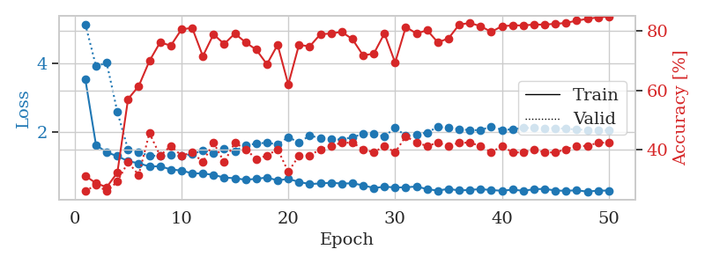
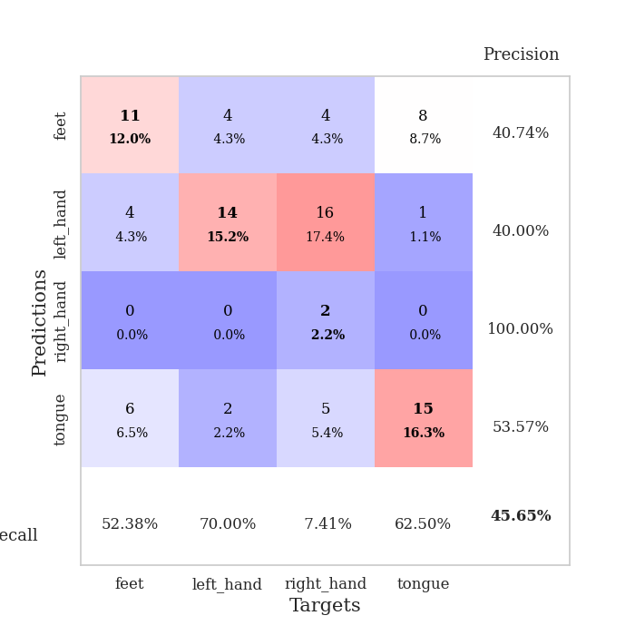
train_loss | valid_loss | train_accuracy | valid_accuracy | dur | train_misclass | valid_misclass
3.1945712463 | 3.479559349 | 0.26086956522 | 0.28260869565 | 0.081864118576 | 26.086956522 | 28.260869565
1.546193014 | 3.3088776029 | 0.32065217391 | 0.28260869565 | 0.080165863037 | 32.065217391 | 28.260869565
1.3680833526 | 1.4703689865 | 0.4402173913 | 0.32608695652 | 0.080326557159 | 44.02173913 | 32.608695652
1.1985728145 | 1.2839670026 | 0.54076086957 | 0.35869565217 | 0.080291509628 | 54.076086957 | 35.869565217
1.1619225041 | 1.2573240995 | 0.58152173913 | 0.39130434783 | 0.080382823944 | 58.152173913 | 39.130434783
1.1197869233 | 1.2666595604 | 0.65217391304 | 0.41304347826 | 0.080118894577 | 65.217391304 | 41.304347826
1.0434102753 | 1.2170740781 | 0.7472826087 | 0.46739130435 | 0.080378293991 | 74.72826087 | 46.739130435
1.0003707901 | 1.2783265943 | 0.73913043478 | 0.4347826087 | 0.080479383469 | 73.913043478 | 43.47826087
0.90192265614 | 1.3504999772 | 0.75815217391 | 0.42391304348 | 0.080428123474 | 75.815217391 | 42.391304348
0.94070815263 | 1.4132628389 | 0.69836956522 | 0.33695652174 | 0.080311536789 | 69.836956522 | 33.695652174
0.89080358329 | 1.4321670377 | 0.71467391304 | 0.35869565217 | 0.080335617065 | 71.467391304 | 35.869565217
0.87475083963 | 1.4777847788 | 0.73097826087 | 0.33695652174 | 0.080463171005 | 73.097826087 | 33.695652174
0.77564042936 | 1.3806273678 | 0.79347826087 | 0.42391304348 | 0.080291032791 | 79.347826087 | 42.391304348
0.76180650618 | 1.4439510314 | 0.75 | 0.35869565217 | 0.080286026001 | 75 | 35.869565217
0.73421767613 | 1.4916934501 | 0.72010869565 | 0.29347826087 | 0.080259561539 | 72.010869565 | 29.347826087
0.72606156313 | 1.4396198366 | 0.78260869565 | 0.38043478261 | 0.080253362656 | 78.260869565 | 38.043478261
0.72556069234 | 1.6322848227 | 0.70923913043 | 0.33695652174 | 0.080556869507 | 70.923913043 | 33.695652174
0.65870960381 | 1.5088667921 | 0.82608695652 | 0.41304347826 | 0.080405950546 | 82.608695652 | 41.304347826
0.72854251058 | 1.4660247772 | 0.8097826087 | 0.41304347826 | 0.080330133438 | 80.97826087 | 41.304347826
0.55752801442 | 1.5434611051 | 0.75815217391 | 0.36956521739 | 0.080350637436 | 75.815217391 | 36.956521739
0.53985517699 | 1.8455460642 | 0.64402173913 | 0.3152173913 | 0.080424308777 | 64.402173913 | 31.52173913
0.63857545153 | 1.5232274791 | 0.83423913043 | 0.42391304348 | 0.080353736877 | 83.423913043 | 42.391304348
0.58615852309 | 1.5246807803 | 0.80163043478 | 0.40217391304 | 0.087683200836 | 80.163043478 | 40.217391304
0.52692683883 | 1.7237446153 | 0.76086956522 | 0.33695652174 | 0.083146810532 | 76.086956522 | 33.695652174
0.52000677197 | 1.6858093635 | 0.79891304348 | 0.38043478261 | 0.082056283951 | 79.891304348 | 38.043478261
0.51113772004 | 1.5489408452 | 0.90217391304 | 0.42391304348 | 0.082227706909 | 90.217391304 | 42.391304348
0.48672991991 | 1.6108108292 | 0.86956521739 | 0.38043478261 | 0.082056283951 | 86.956521739 | 38.043478261
0.49671066196 | 1.5479235286 | 0.86141304348 | 0.34782608696 | 0.08200097084 | 86.141304348 | 34.782608696
0.49935414027 | 1.6023417504 | 0.82336956522 | 0.35869565217 | 0.082088947296 | 82.336956522 | 35.869565217
0.36826567255 | 1.6385097866 | 0.81793478261 | 0.36956521739 | 0.08255314827 | 81.793478261 | 36.956521739
0.46569529305 | 1.6370637417 | 0.83423913043 | 0.36956521739 | 0.082029104233 | 83.423913043 | 36.956521739
0.42851878508 | 1.68305665 | 0.83423913043 | 0.36956521739 | 0.082455635071 | 83.423913043 | 36.956521739
0.40929385307 | 1.7046157744 | 0.84239130435 | 0.39130434783 | 0.083805561066 | 84.239130435 | 39.130434783
0.43209283183 | 1.6109967854 | 0.8777173913 | 0.36956521739 | 0.080525159836 | 87.77173913 | 36.956521739
0.43901059647 | 1.7009355452 | 0.82880434783 | 0.35869565217 | 0.08021569252 | 82.880434783 | 35.869565217
0.35309845663 | 1.7031249585 | 0.84510869565 | 0.38043478261 | 0.080283164978 | 84.510869565 | 38.043478261
0.37291056695 | 1.6184544771 | 0.88586956522 | 0.40217391304 | 0.080195188522 | 88.586956522 | 40.217391304
0.42214681273 | 1.6429944298 | 0.86956521739 | 0.38043478261 | 0.08038854599 | 86.956521739 | 38.043478261
0.36410776429 | 1.6727101077 | 0.86413043478 | 0.39130434783 | 0.080685377121 | 86.413043478 | 39.130434783
0.40189326101 | 1.6811312333 | 0.84782608696 | 0.40217391304 | 0.080327987671 | 84.782608696 | 40.217391304
0.35374456191 | 1.678617353 | 0.85054347826 | 0.40217391304 | 0.080473661423 | 85.054347826 | 40.217391304
0.37247761371 | 1.6865393804 | 0.83967391304 | 0.40217391304 | 0.080241203308 | 83.967391304 | 40.217391304
0.34593288406 | 1.6705483561 | 0.83967391304 | 0.40217391304 | 0.080296516418 | 83.967391304 | 40.217391304
0.34929239167 | 1.6631841297 | 0.85054347826 | 0.40217391304 | 0.080507993698 | 85.054347826 | 40.217391304
0.38822376598 | 1.6583814414 | 0.85326086957 | 0.40217391304 | 0.08024096489 | 85.326086957 | 40.217391304
0.3076246154 | 1.6575230049 | 0.85869565217 | 0.40217391304 | 0.080169916153 | 85.869565217 | 40.217391304
0.33693221049 | 1.650902888 | 0.86956521739 | 0.40217391304 | 0.080415248871 | 86.956521739 | 40.217391304
0.35453562438 | 1.6450814423 | 0.875 | 0.39130434783 | 0.079891204834 | 87.5 | 39.130434783
0.36760728709 | 1.641882487 | 0.88043478261 | 0.39130434783 | 0.08035993576 | 88.043478261 | 39.130434783
0.3630393439 | 1.639368757 | 0.88315217391 | 0.39130434783 | 0.08057641983 | 88.315217391 | 39.130434783

Best Val accuracy is 0.4673913043478261 and Best test accuracy is 0.3879310344827586
train_loss | valid_loss | train_accuracy | valid_accuracy | dur | train_misclass | valid_misclass
3.5325276903 | 5.1347778569 | 0.3125 | 0.26086956522 | 0.085612773895 | 31.25 | 26.086956522
1.618831435 | 3.9123940571 | 0.28804347826 | 0.28260869565 | 0.083760976791 | 28.804347826 | 28.260869565
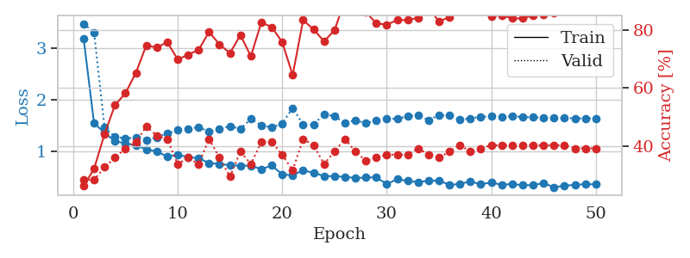
1.4054779929 | 4.0096535061 | 0.27445652174 | 0.26086956522 | 0.083781003952 | 27.445652174 | 26.086956522
1.2952400653 | 2.5805312447 | 0.32336956522 | 0.29347826087 | 0.083781957626 | 32.336956522 | 29.347826087
1.1483764778 | 1.4822277919 | 0.57065217391 | 0.35869565217 | 0.08770775795 | 57.065217391 | 35.869565217
1.0868713001 | 1.4055654018 | 0.61413043478 | 0.3152173913 | 0.086004018784 | 61.413043478 | 31.52173913
0.9936650823 | 1.3121694378 | 0.69836956522 | 0.45652173913 | 0.083633899689 | 69.836956522 | 45.652173913
0.99922040234 | 1.2986845296 | 0.76086956522 | 0.38043478261 | 0.083890914917 | 76.086956522 | 38.043478261
0.90824303679 | 1.321507428 | 0.75 | 0.41304347826 | 0.083564519882 | 75 | 41.304347826
0.87494122464 | 1.3018748242 | 0.80434782609 | 0.38043478261 | 0.083180427551 | 80.434782609 | 38.043478261
0.79425698519 | 1.3524373614 | 0.8097826087 | 0.39130434783 | 0.083610057831 | 80.97826087 | 39.130434783
0.79040497023 | 1.4602184658 | 0.71467391304 | 0.35869565217 | 0.083606719971 | 71.467391304 | 35.869565217
0.74811727975 | 1.39489007 | 0.78804347826 | 0.42391304348 | 0.083438873291 | 78.804347826 | 42.391304348
0.6715158859 | 1.5076917617 | 0.75543478261 | 0.35869565217 | 0.083248138428 | 75.543478261 | 35.869565217
0.65181054758 | 1.4383312153 | 0.79076086957 | 0.42391304348 | 0.083463668823 | 79.076086957 | 42.391304348
0.60716240302 | 1.6144699273 | 0.76086956522 | 0.40217391304 | 0.083354949951 | 76.086956522 | 40.217391304
0.63328326396 | 1.6563357633 | 0.73641304348 | 0.36956521739 | 0.083354711533 | 73.641304348 | 36.956521739
0.67344086844 | 1.6902056725 | 0.6875 | 0.38043478261 | 0.083655118942 | 68.75 | 38.043478261
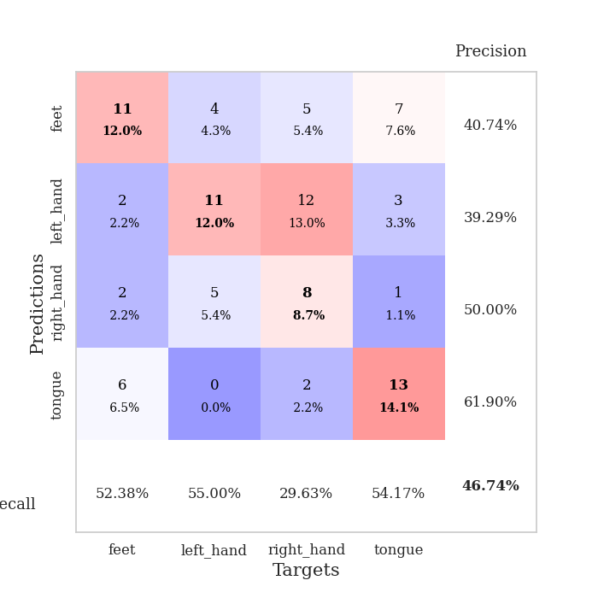
0.58740576195 | 1.6289149367 | 0.7527173913 | 0.40217391304 | 0.083547830582 | 75.27173913 | 40.217391304
0.63335470661 | 1.851423787 | 0.61956521739 | 0.32608695652 | 0.083441495895 | 61.956521739 | 32.608695652
0.54439944288 | 1.6859032641 | 0.7527173913 | 0.38043478261 | 0.083323478699 | 75.27173913 | 38.043478261
0.48203620962 | 1.8944525667 | 0.7472826087 | 0.38043478261 | 0.083468437195 | 74.72826087 | 38.043478261
0.499798811 | 1.8180483061 | 0.78804347826 | 0.40217391304 | 0.08354139328 | 78.804347826 | 40.217391304
0.52015053967 | 1.8030199331 | 0.79076086957 | 0.41304347826 | 0.083608627319 | 79.076086957 | 41.304347826
0.49781767635 | 1.7671239843 | 0.79619565217 | 0.42391304348 | 0.083576440811 | 79.619565217 | 42.391304348
0.50342375429 | 1.853005969 | 0.77173913043 | 0.42391304348 | 0.083362579346 | 77.173913043 | 42.391304348
0.4463127845 | 1.934583524 | 0.71739130435 | 0.40217391304 | 0.083661556244 | 71.739130435 | 40.217391304
0.3665877464 | 1.940137179 | 0.72282608696 | 0.39130434783 | 0.083449602127 | 72.282608696 | 39.130434783
0.40501705849 | 1.8676980889 | 0.79076086957 | 0.41304347826 | 0.083332300186 | 79.076086957 | 41.304347826
0.38387358739 | 2.1217881545 | 0.69293478261 | 0.39130434783 | 0.086752414703 | 69.293478261 | 39.130434783
0.38685828512 | 1.8850480111 | 0.8125 | 0.44565217391 | 0.083694219589 | 81.25 | 44.565217391
0.41057683851 | 1.9266551889 | 0.79076086957 | 0.42391304348 | 0.086191415787 | 79.076086957 | 42.391304348
0.33472405439 | 1.9823235377 | 0.80163043478 | 0.41304347826 | 0.083953857422 | 80.163043478 | 41.304347826
0.29082602133 | 2.1435813696 | 0.76086956522 | 0.42391304348 | 0.083494901657 | 76.086956522 | 42.391304348
0.34323218918 | 2.1229030619 | 0.77445652174 | 0.41304347826 | 0.086649417877 | 77.445652174 | 41.304347826
0.29399424532 | 2.0794234224 | 0.82065217391 | 0.42391304348 | 0.084071159363 | 82.065217391 | 42.391304348
0.31284802893 | 2.0510632681 | 0.82608695652 | 0.42391304348 | 0.083937168121 | 82.608695652 | 42.391304348
0.3346999997 | 2.0522804468 | 0.8152173913 | 0.41304347826 | 0.083825588226 | 81.52173913 | 41.304347826
0.30750710371 | 2.1613108127 | 0.79619565217 | 0.39130434783 | 0.083589792252 | 79.619565217 | 39.130434783
0.28697966979 | 2.0610616777 | 0.8152173913 | 0.41304347826 | 0.084013223648 | 81.52173913 | 41.304347826
0.3199562317 | 2.0727083579 | 0.81793478261 | 0.39130434783 | 0.083640575409 | 81.793478261 | 39.130434783
0.28646459009 | 2.1178224968 | 0.81793478261 | 0.39130434783 | 0.083664655685 | 81.793478261 | 39.130434783
0.33102865712 | 2.114041287 | 0.82065217391 | 0.40217391304 | 0.083677053452 | 82.065217391 | 40.217391304
0.34318518444 | 2.1038292854 | 0.82065217391 | 0.39130434783 | 0.083641052246 | 82.065217391 | 39.130434783
0.29328759922 | 2.1120923498 | 0.82336956522 | 0.39130434783 | 0.083724498749 | 82.336956522 | 39.130434783
0.28591839742 | 2.0911313088 | 0.82608695652 | 0.40217391304 | 0.084020376205 | 82.608695652 | 40.217391304
0.30141516516 | 2.0698212592 | 0.83423913043 | 0.41304347826 | 0.083634138107 | 83.423913043 | 41.304347826
0.26203961606 | 2.0595524674 | 0.83967391304 | 0.41304347826 | 0.083625793457 | 83.967391304 | 41.304347826
0.29159382245 | 2.0495284951 | 0.84510869565 | 0.42391304348 | 0.083540678024 | 84.510869565 | 42.391304348
0.29203277178 | 2.041890559 | 0.84782608696 | 0.42391304348 | 0.083612918854 | 84.782608696 | 42.391304348

Best Val accuracy is 0.45652173913043476 and Best test accuracy is 0.4224137931034483

Sheet10
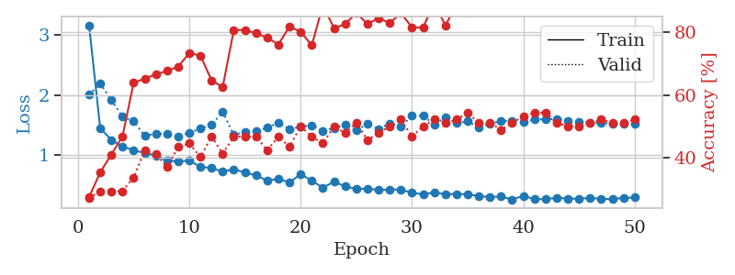
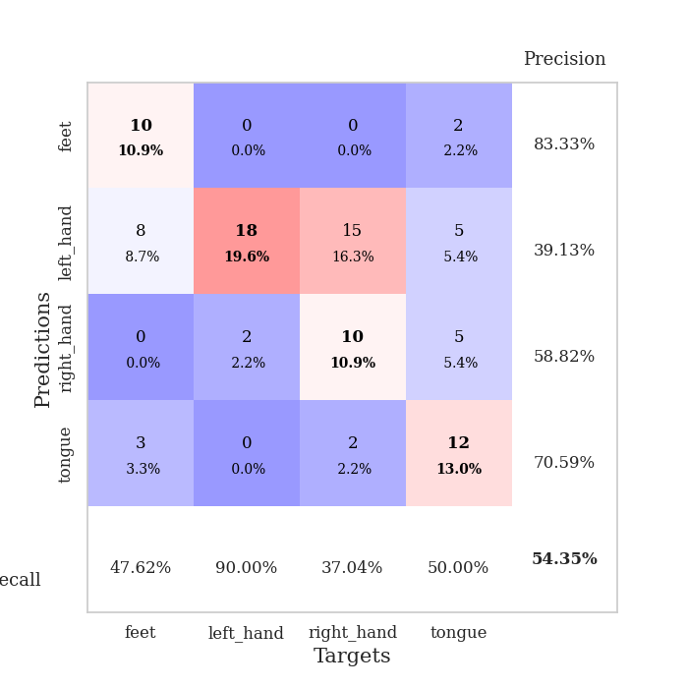
train_loss | valid_loss | train_accuracy | valid_accuracy | dur | train_misclass | valid_misclass
3.1512566546 | 3.1475419584 | 0.25543478261 | 0.25 | 0.082184076309 | 25.543478261 | 25
1.4623058827 | 3.084224618 | 0.36956521739 | 0.23913043478 | 0.079989671707 | 36.956521739 | 23.913043478
1.2047534119 | 1.7982530594 | 0.46739130435 | 0.32608695652 | 0.079954147339 | 46.739130435 | 32.608695652
1.0694802663 | 1.5482867127 | 0.58423913043 | 0.36956521739 | 0.080034732819 | 58.423913043 | 36.956521739
1.0350134917 | 1.4451628405 | 0.6847826087 | 0.41304347826 | 0.080337524414 | 68.47826087 | 41.304347826
0.89905823314 | 1.3572253144 | 0.70923913043 | 0.45652173913 | 0.080294847488 | 70.923913043 | 45.652173913
0.88439042154 | 1.4309883791 | 0.7472826087 | 0.45652173913 | 0.080235719681 | 74.72826087 | 45.652173913
0.90548965464 | 1.4245541459 | 0.76358695652 | 0.46739130435 | 0.080343723297 | 76.358695652 | 46.739130435
0.84350683637 | 1.4487611988 | 0.78804347826 | 0.44565217391 | 0.080368280411 | 78.804347826 | 44.565217391
0.77482393384 | 1.403929161 | 0.78260869565 | 0.45652173913 | 0.08017039299 | 78.260869565 | 45.652173913
0.74029494109 | 1.6197666033 | 0.65760869565 | 0.41304347826 | 0.080256462097 | 65.760869565 | 41.304347826
0.7298909335 | 1.5122921985 | 0.8152173913 | 0.47826086957 | 0.080223083496 | 81.52173913 | 47.826086957
0.69039946017 | 1.5188037935 | 0.76902173913 | 0.47826086957 | 0.080291032791 | 76.902173913 | 47.826086957
0.65412526545 | 1.3725154815 | 0.85869565217 | 0.47826086957 | 0.080343723297 | 85.869565217 | 47.826086957
0.62810568058 | 1.6079882591 | 0.75543478261 | 0.5 | 0.080348491669 | 75.543478261 | 50
0.59005416995 | 1.9056604012 | 0.74184782609 | 0.41304347826 | 0.08029961586 | 74.184782609 | 41.304347826
0.59746313419 | 1.6899923293 | 0.82336956522 | 0.44565217391 | 0.080335378647 | 82.336956522 | 44.565217391
0.59052999771 | 1.492659206 | 0.86141304348 | 0.51086956522 | 0.08046913147 | 86.141304348 | 51.086956522
0.50969796401 | 1.507567004 | 0.86684782609 | 0.5 | 0.08021068573 | 86.684782609 | 50
0.62008121091 | 1.623871031 | 0.79347826087 | 0.44565217391 | 0.080248594284 | 79.347826087 | 44.565217391
0.56214456973 | 1.5725164958 | 0.875 | 0.48913043478 | 0.083702802658 | 87.5 | 48.913043478
0.50908761957 | 1.6315351414 | 0.85054347826 | 0.51086956522 | 0.083034753799 | 85.054347826 | 51.086956522
0.42980986963 | 1.61301971 | 0.84239130435 | 0.5 | 0.082394838333 | 84.239130435 | 50
0.45487875394 | 1.7904930892 | 0.8125 | 0.5 | 0.081946134567 | 81.25 | 50
0.41522055638 | 1.631693612 | 0.85869565217 | 0.47826086957 | 0.081923961639 | 85.869565217 | 47.826086957
0.43134078869 | 1.8144169735 | 0.8152173913 | 0.45652173913 | 0.082037448883 | 81.52173913 | 45.652173913
0.54277279196 | 1.6886200853 | 0.86956521739 | 0.54347826087 | 0.081962823868 | 86.956521739 | 54.347826087
0.41085568265 | 1.8087582174 | 0.84782608696 | 0.51086956522 | 0.082143545151 | 84.782608696 | 51.086956522
0.35270571611 | 1.9364385657 | 0.83152173913 | 0.46739130435 | 0.082033872604 | 83.152173913 | 46.739130435
0.37446321029 | 1.76979194 | 0.89130434783 | 0.52173913043 | 0.08194065094 | 89.130434783 | 52.173913043
0.3906210648 | 1.8702999405 | 0.86684782609 | 0.5 | 0.082089424133 | 86.684782609 | 50
0.37651557637 | 1.929444707 | 0.8777173913 | 0.5 | 0.081925630569 | 87.77173913 | 50
0.32975049155 | 1.8941968835 | 0.89130434783 | 0.45652173913 | 0.082127809525 | 89.130434783 | 45.652173913
0.37724732446 | 1.7497754097 | 0.90489130435 | 0.46739130435 | 0.082013607025 | 90.489130435 | 46.739130435
0.33591581266 | 1.9599645656 | 0.86956521739 | 0.47826086957 | 0.082047700882 | 86.956521739 | 47.826086957
0.32807346142 | 1.907385992 | 0.875 | 0.48913043478 | 0.082239866257 | 87.5 | 48.913043478
0.30892432805 | 1.8585793661 | 0.88586956522 | 0.46739130435 | 0.081859111786 | 88.586956522 | 46.739130435
0.3370959085 | 2.0264001515 | 0.84782608696 | 0.47826086957 | 0.081987142563 | 84.782608696 | 47.826086957
0.30961835514 | 1.9253576787 | 0.8777173913 | 0.46739130435 | 0.082277536392 | 87.77173913 | 46.739130435
0.27000079466 | 1.9208579063 | 0.89130434783 | 0.47826086957 | 0.08208489418 | 89.130434783 | 47.826086957
0.29619484945 | 1.9094308511 | 0.88586956522 | 0.48913043478 | 0.082080125809 | 88.586956522 | 48.913043478
0.34934714307 | 1.9524417131 | 0.88315217391 | 0.47826086957 | 0.082054376602 | 88.315217391 | 47.826086957
0.32811974896 | 1.9491977484 | 0.88043478261 | 0.46739130435 | 0.08211183548 | 88.043478261 | 46.739130435
0.2815778006 | 1.9504493993 | 0.88858695652 | 0.46739130435 | 0.082074403763 | 88.858695652 | 46.739130435
0.3422456902 | 1.9213556207 | 0.89673913043 | 0.48913043478 | 0.082365751266 | 89.673913043 | 48.913043478
0.28352852749 | 1.903050008 | 0.90217391304 | 0.48913043478 | 0.082440376282 | 90.217391304 | 48.913043478
0.27086618251 | 1.9029070243 | 0.90760869565 | 0.48913043478 | 0.082204341888 | 90.760869565 | 48.913043478
0.21138841756 | 1.8992902507 | 0.91032608696 | 0.48913043478 | 0.082291603088 | 91.032608696 | 48.913043478
0.31306634519 | 1.8939447818 | 0.91304347826 | 0.48913043478 | 0.082733154297 | 91.304347826 | 48.913043478
0.29200155094 | 1.8932673257 | 0.91304347826 | 0.48913043478 | 0.08247923851 | 91.304347826 | 48.913043478

Best Val accuracy is 0.5434782608695652 and Best test accuracy is 0.4396551724137931
train_loss | valid_loss | train_accuracy | valid_accuracy | dur | train_misclass | valid_misclass
3.1634509926 | 2.0016374744 | 0.27445652174 | 0.27173913043 | 0.08603811264 | 27.445652174 | 27.173913043
1.4436486027 | 2.1877503291 | 0.35326086957 | 0.29347826087 | 0.086834669113 | 35.326086957 | 29.347826087
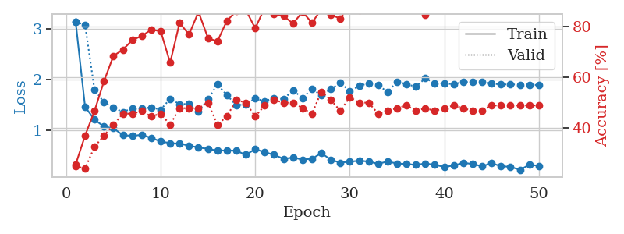
1.2488052975 | 1.9153903723 | 0.41032608696 | 0.29347826087 | 0.084150075912 | 41.032608696 | 29.347826087
1.1354791807 | 1.6338316513 | 0.46739130435 | 0.29347826087 | 0.083912134171 | 46.739130435 | 29.347826087
1.0759687372 | 1.5585405256 | 0.63858695652 | 0.33695652174 | 0.084319591522 | 63.858695652 | 33.695652174
1.0292882427 | 1.3166626951 | 0.65217391304 | 0.42391304348 | 0.084318399429 | 65.217391304 | 42.391304348
0.98814953669 | 1.3503618396 | 0.66576086957 | 0.41304347826 | 0.084138154984 | 66.576086957 | 41.304347826
0.90670391269 | 1.3483366085 | 0.67663043478 | 0.36956521739 | 0.083985567093 | 67.663043478 | 36.956521739
0.88720021041 | 1.3108771521 | 0.6902173913 | 0.4347826087 | 0.084029912949 | 69.02173913 | 43.47826087
0.90034689981 | 1.3623409219 | 0.73369565217 | 0.44565217391 | 0.084047794342 | 73.369565217 | 44.565217391
0.7998121938 | 1.4393732548 | 0.72554347826 | 0.40217391304 | 0.084599256516 | 72.554347826 | 40.217391304
0.77862720127 | 1.4985159739 | 0.64673913043 | 0.46739130435 | 0.086833715439 | 64.673913043 | 46.739130435
0.71730023752 | 1.7209749585 | 0.625 | 0.41304347826 | 0.090088605881 | 62.5 | 41.304347826
0.75978105224 | 1.3291261714 | 0.80706521739 | 0.46739130435 | 0.084555149078 | 80.706521739 | 46.739130435
0.70302278063 | 1.3827198951 | 0.80706521739 | 0.46739130435 | 0.084080219269 | 80.706521739 | 46.739130435
0.65569476459 | 1.3964365721 | 0.79619565217 | 0.46739130435 | 0.084014415741 | 79.619565217 | 46.739130435
0.56728726366 | 1.4511503914 | 0.78260869565 | 0.42391304348 | 0.084244966507 | 78.260869565 | 42.391304348
0.59742106951 | 1.534510203 | 0.76086956522 | 0.46739130435 | 0.083774328232 | 76.086956522 | 46.739130435
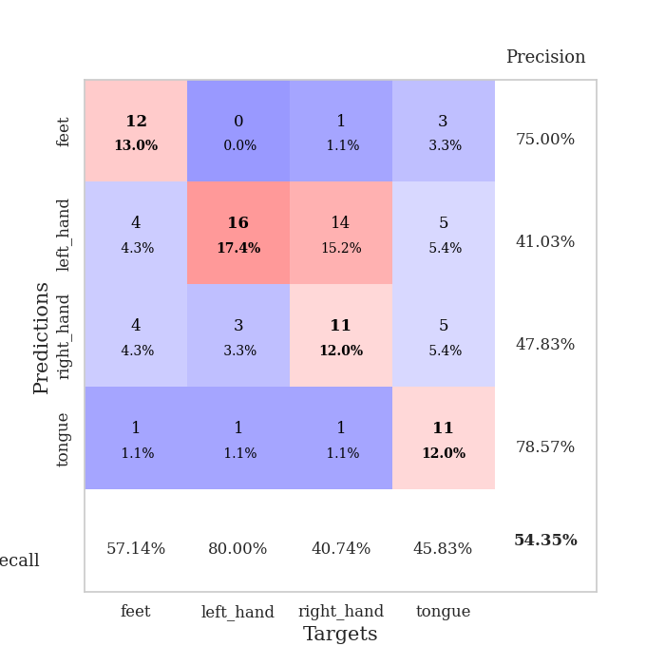
0.53823346807 | 1.4262542258 | 0.81793478261 | 0.4347826087 | 0.084151983261 | 81.793478261 | 43.47826087
0.67721185347 | 1.467924201 | 0.80163043478 | 0.5 | 0.083960771561 | 80.163043478 | 50
0.56561116745 | 1.4932417092 | 0.75815217391 | 0.46739130435 | 0.084164857864 | 75.815217391 | 46.739130435
0.45123865617 | 1.4012401 | 0.88586956522 | 0.44565217391 | 0.084220409393 | 88.586956522 | 44.565217391
0.54895569708 | 1.4447774835 | 0.8125 | 0.5 | 0.084149837494 | 81.25 | 50
0.47194567193 | 1.5016647422 | 0.82608695652 | 0.47826086957 | 0.083782911301 | 82.608695652 | 47.826086957
0.42955462959 | 1.4044820226 | 0.86141304348 | 0.51086956522 | 0.08411026001 | 86.141304348 | 51.086956522
0.43294949052 | 1.5186113119 | 0.82608695652 | 0.45652173913 | 0.085993528366 | 82.608695652 | 45.652173913
0.41331989286 | 1.433567809 | 0.84510869565 | 0.47826086957 | 0.08655166626 | 84.510869565 | 47.826086957
0.41604673409 | 1.521092249 | 0.82880434783 | 0.5 | 0.084221839905 | 82.880434783 | 50
0.42103300794 | 1.4666170815 | 0.86141304348 | 0.52173913043 | 0.084071159363 | 86.141304348 | 52.173913043
0.36279345531 | 1.6521220259 | 0.8152173913 | 0.46739130435 | 0.08678483963 | 81.52173913 | 46.739130435
0.34148547183 | 1.6550776907 | 0.8152173913 | 0.5 | 0.084210157394 | 81.52173913 | 50
0.3694665134 | 1.4981558686 | 0.89402173913 | 0.52173913043 | 0.084514141083 | 89.402173913 | 52.173913043
0.34175445204 | 1.6298295311 | 0.82065217391 | 0.51086956522 | 0.084383487701 | 82.065217391 | 51.086956522
0.34373677425 | 1.5285649196 | 0.89130434783 | 0.52173913043 | 0.084361314774 | 89.130434783 | 52.173913043
0.3418746487 | 1.557119893 | 0.86684782609 | 0.54347826087 | 0.084138870239 | 86.684782609 | 54.347826087
0.31078473349 | 1.453344143 | 0.89673913043 | 0.51086956522 | 0.084801435471 | 89.673913043 | 51.086956522
0.29304156906 | 1.5145871225 | 0.91576086957 | 0.51086956522 | 0.084312438965 | 91.576086957 | 51.086956522
0.30516582533 | 1.5661291143 | 0.88858695652 | 0.48913043478 | 0.084010601044 | 88.858695652 | 48.913043478
0.25120936852 | 1.5652688534 | 0.89945652174 | 0.51086956522 | 0.084208250046 | 89.945652174 | 51.086956522
0.31499004753 | 1.5431314603 | 0.89945652174 | 0.53260869565 | 0.083913564682 | 89.945652174 | 53.260869565
0.25818460661 | 1.5891433021 | 0.89673913043 | 0.54347826087 | 0.091731548309 | 89.673913043 | 54.347826087
0.25949607676 | 1.5907676064 | 0.89673913043 | 0.54347826087 | 0.096111297607 | 89.673913043 | 54.347826087
0.28109535753 | 1.5992268117 | 0.89402173913 | 0.51086956522 | 0.086591482162 | 89.402173913 | 51.086956522
0.26868685983 | 1.5601675718 | 0.91304347826 | 0.5 | 0.084132671356 | 91.304347826 | 50
0.26478012554 | 1.5527368369 | 0.91847826087 | 0.5 | 0.084140777588 | 91.847826087 | 50
0.28191409843 | 1.5345347964 | 0.92663043478 | 0.51086956522 | 0.084113836288 | 92.663043478 | 51.086956522
0.26099706959 | 1.5289287101 | 0.92934782609 | 0.52173913043 | 0.084015130997 | 92.934782609 | 52.173913043
0.26089135007 | 1.5235533507 | 0.92934782609 | 0.51086956522 | 0.084077596664 | 92.934782609 | 51.086956522
0.27889020061 | 1.5195355053 | 0.93206521739 | 0.51086956522 | 0.084308862686 | 93.206521739 | 51.086956522
0.28685022696 | 1.5167081097 | 0.93206521739 | 0.52173913043 | 0.084191322327 | 93.206521739 | 52.173913043

Best Val accuracy is 0.5434782608695652 and Best test accuracy is 0.4396551724137931

