Sheet
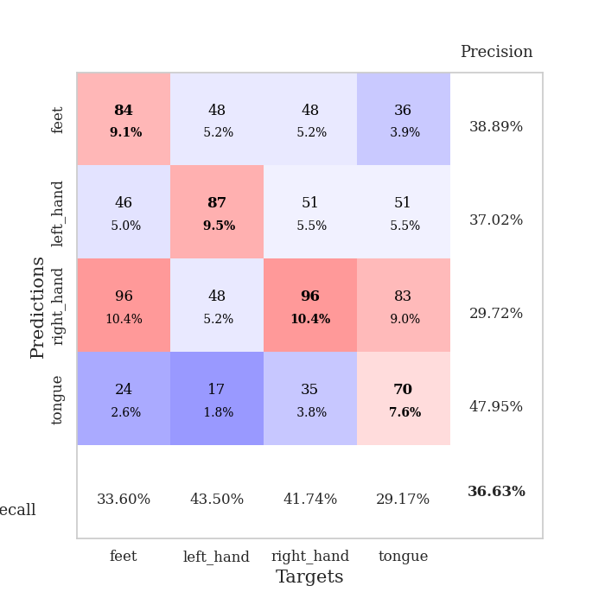
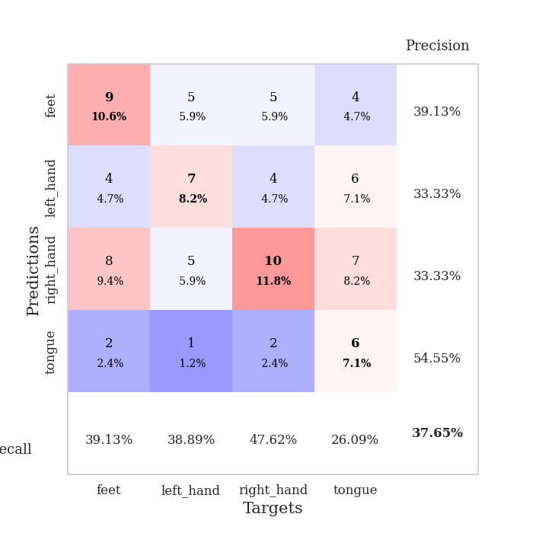
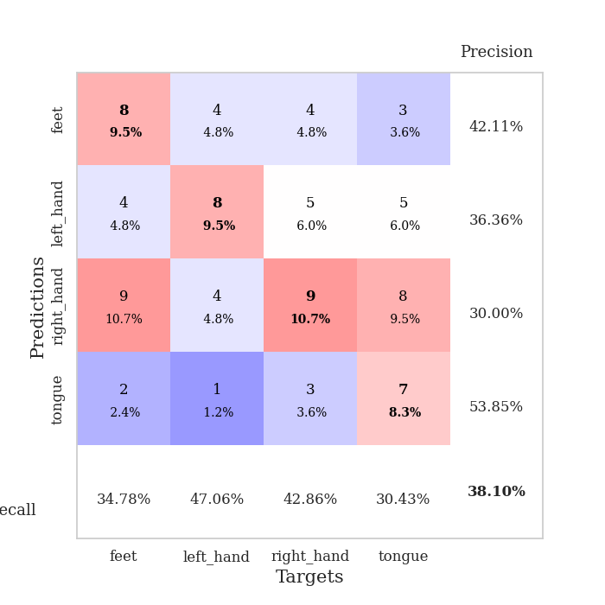
best_val_acc | best_val_los | best_test_acc
0.29347826087 | 1.578164225 | 0.25
0.35869565217 | 1.7021232118 | 0.31034482759
0.39130434783 | 1.4697380792 | 0.36206896552
0.39130434783 | 1.5094102725 | 0.36206896552
0.40217391304 | 1.5187323404 | 0.27586206897
0.38043478261 | 1.652745392 | 0.3275862069
0.36956521739 | 1.5597004217 | 0.39655172414
0.38043478261 | 1.5603315519 | 0.37931034483
0.39130434783 | 1.5039550273 | 0.36206896552
0.38043478261 | 1.494915672 | 0.35344827586

Mean,std Val accuracy is 0.3739130434782609 , 0.030829054182873402 and mean, std test accuracy is 0.33793103448275863 , 0.04665449136230437
best_val_acc | best_val_los | best_test_acc
0.39130434783 | 1.6303571566 | 0.37068965517
0.36956521739 | 1.6123111818 | 0.4224137931
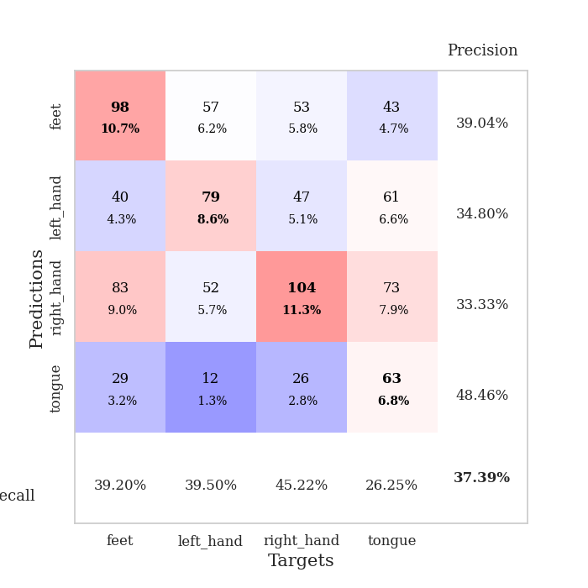
0.36956521739 | 1.5071158668 | 0.36206896552
0.34782608696 | 1.620145238 | 0.39655172414
0.39130434783 | 1.5215874029 | 0.31034482759
0.42391304348 | 1.4564003737 | 0.37068965517
0.32608695652 | 1.6339697164 | 0.35344827586
0.3152173913 | 1.6292413421 | 0.33620689655
0.35869565217 | 1.6459226245 | 0.36206896552
0.36956521739 | 1.4607324393 | 0.33620689655

Mean,std Val accuracy is 0.36630434782608695 , 0.03201963926853 and mean, std test accuracy is 0.36206896551724144 , 0.03173954315283696

Sheet1
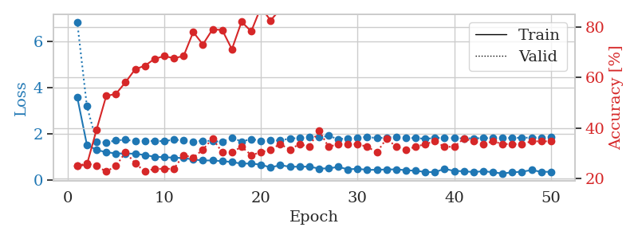
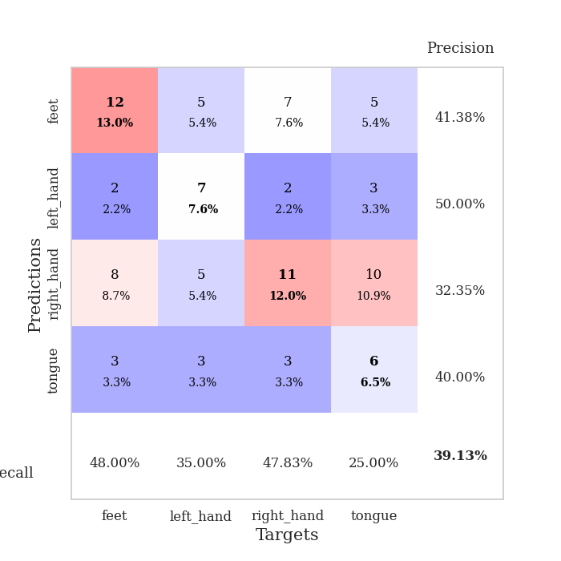
train_loss | valid_loss | train_accuracy | valid_accuracy | dur | train_misclass | valid_misclass
4.2436471763 | 8.60327136 | 0.32336956522 | 0.20652173913 | 0.085451126099 | 32.336956522 | 20.652173913
1.7404222229 | 4.0143133661 | 0.33152173913 | 0.1847826087 | 0.086157560349 | 33.152173913 | 18.47826087
1.39314496 | 2.2467848218 | 0.47826086957 | 0.20652173913 | 0.082080364227 | 47.826086957 | 20.652173913
1.2697712235 | 1.8107646652 | 0.55434782609 | 0.26086956522 | 0.081964492798 | 55.434782609 | 26.086956522
1.1730662429 | 1.8073336041 | 0.57608695652 | 0.26086956522 | 0.082059383392 | 57.608695652 | 26.086956522
1.1755056511 | 1.7183473214 | 0.6222826087 | 0.28260869565 | 0.081879138947 | 62.22826087 | 28.260869565
1.1443935218 | 1.6036303821 | 0.64402173913 | 0.27173913043 | 0.082098245621 | 64.402173913 | 27.173913043
1.0610529262 | 1.7042501906 | 0.59510869565 | 0.21739130435 | 0.084462404251 | 59.510869565 | 21.739130435
1.0418785033 | 1.6197107305 | 0.70652173913 | 0.29347826087 | 0.085280179977 | 70.652173913 | 29.347826087
0.96213985267 | 1.6569460579 | 0.67391304348 | 0.23913043478 | 0.08175611496 | 67.391304348 | 23.913043478
0.99660779601 | 1.578164225 | 0.70108695652 | 0.22826086957 | 0.081858873367 | 70.108695652 | 22.826086957
0.91941457987 | 1.7363279747 | 0.69565217391 | 0.22826086957 | 0.082397222519 | 69.565217391 | 22.826086957
0.92253701065 | 1.8056694217 | 0.74456521739 | 0.23913043478 | 0.081434011459 | 74.456521739 | 23.913043478
0.83675572147 | 1.9132271383 | 0.72826086957 | 0.20652173913 | 0.081548452377 | 72.826086957 | 20.652173913
0.79324393946 | 1.8291626391 | 0.77445652174 | 0.23913043478 | 0.081897258759 | 77.445652174 | 23.913043478
0.78559407203 | 2.1259951591 | 0.65217391304 | 0.22826086957 | 0.081685066223 | 65.217391304 | 22.826086957
0.75192591289 | 1.9781060063 | 0.80434782609 | 0.19565217391 | 0.081615924835 | 80.434782609 | 19.565217391
0.71207183081 | 1.9479549709 | 0.79347826087 | 0.22826086957 | 0.081652641296 | 79.347826087 | 22.826086957
0.65866819672 | 2.0918891378 | 0.77989130435 | 0.23913043478 | 0.081625938416 | 77.989130435 | 23.913043478
0.74525046608 | 1.7103268323 | 0.90489130435 | 0.28260869565 | 0.081765174866 | 90.489130435 | 28.260869565
0.65856597346 | 1.8727102746 | 0.84782608696 | 0.21739130435 | 0.082148313522 | 84.782608696 | 21.739130435
0.61631977429 | 1.9820763909 | 0.80434782609 | 0.28260869565 | 0.082081079483 | 80.434782609 | 28.260869565
0.61254846402 | 1.9505129327 | 0.875 | 0.27173913043 | 0.081960201263 | 87.5 | 27.173913043
0.58771078094 | 2.1390872157 | 0.86684782609 | 0.22826086957 | 0.082317113876 | 86.684782609 | 22.826086957
0.59370928614 | 2.1988596398 | 0.85054347826 | 0.23913043478 | 0.082020759583 | 85.054347826 | 23.913043478
0.59620066959 | 2.1398083956 | 0.86684782609 | 0.25 | 0.082386732101 | 86.684782609 | 25
0.53576850114 | 2.1231431184 | 0.82880434783 | 0.27173913043 | 0.082012176514 | 82.880434783 | 27.173913043
0.56500273943 | 2.1733815981 | 0.88586956522 | 0.25 | 0.081981658936 | 88.586956522 | 25
0.52096801219 | 2.1607135068 | 0.89945652174 | 0.22826086957 | 0.082092523575 | 89.945652174 | 22.826086957
0.52447840766 | 1.9653004304 | 0.95380434783 | 0.27173913043 | 0.082210302353 | 95.380434783 | 27.173913043
0.50810669816 | 2.072370638 | 0.9375 | 0.26086956522 | 0.082327842712 | 93.75 | 26.086956522
0.54598912985 | 2.2897908325 | 0.88315217391 | 0.23913043478 | 0.082473039627 | 88.315217391 | 23.913043478
0.4309643818 | 2.1161441181 | 0.94565217391 | 0.26086956522 | 0.082126140594 | 94.565217391 | 26.086956522
0.47961100482 | 2.1575995373 | 0.91847826087 | 0.26086956522 | 0.081776380539 | 91.847826087 | 26.086956522
0.43810399913 | 2.2073654662 | 0.9347826087 | 0.22826086957 | 0.082132816315 | 93.47826087 | 22.826086957
0.4358386974 | 2.1466773748 | 0.95652173913 | 0.26086956522 | 0.082063674927 | 95.652173913 | 26.086956522
0.41207039227 | 2.2187872607 | 0.92119565217 | 0.25 | 0.082058191299 | 92.119565217 | 25
0.42017345325 | 2.2753449471 | 0.92391304348 | 0.23913043478 | 0.082086801529 | 92.391304348 | 23.913043478
0.44253116328 | 2.1401277988 | 0.95108695652 | 0.28260869565 | 0.082086801529 | 95.108695652 | 28.260869565
0.45290499666 | 2.1833205016 | 0.9375 | 0.25 | 0.08213353157 | 93.75 | 25
0.46689628129 | 2.2694471764 | 0.92391304348 | 0.25 | 0.082193374634 | 92.391304348 | 25
0.44069898971 | 2.2160518532 | 0.9402173913 | 0.26086956522 | 0.082173109055 | 94.02173913 | 26.086956522
0.42584003832 | 2.1900648449 | 0.95108695652 | 0.26086956522 | 0.082256793976 | 95.108695652 | 26.086956522
0.37628327375 | 2.2362197897 | 0.9402173913 | 0.25 | 0.082103967667 | 94.02173913 | 25
0.41536372446 | 2.2677908255 | 0.9402173913 | 0.23913043478 | 0.082100152969 | 94.02173913 | 23.913043478
0.37245187746 | 2.2857661766 | 0.9347826087 | 0.23913043478 | 0.082042455673 | 93.47826087 | 23.913043478
0.39345743669 | 2.2706299554 | 0.94293478261 | 0.23913043478 | 0.082250356674 | 94.293478261 | 23.913043478
0.44666809103 | 2.2646630329 | 0.94565217391 | 0.25 | 0.082073688507 | 94.565217391 | 25
0.40302301587 | 2.2616977484 | 0.94836956522 | 0.25 | 0.082239151001 | 94.836956522 | 25
0.37594029696 | 2.2613903958 | 0.95380434783 | 0.25 | 0.082091808319 | 95.380434783 | 25

Best Val accuracy is 0.29347826086956524 and Best test accuracy is 0.25
train_loss | valid_loss | train_accuracy | valid_accuracy | dur | train_misclass | valid_misclass
3.5904942855 | 6.8269815238 | 0.25 | 0.25 | 0.089007616043 | 25 | 25
1.5381410174 | 3.1961404033 | 0.25543478261 | 0.26086956522 | 0.084053516388 | 25.543478261 | 26.086956522
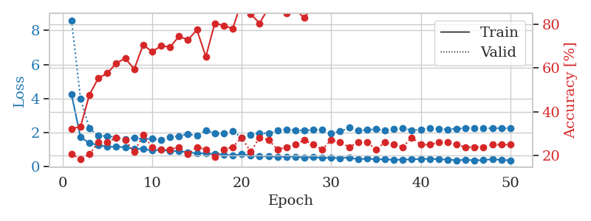
1.3117129492 | 1.6736048978 | 0.39402173913 | 0.25 | 0.08397436142 | 39.402173913 | 25
1.2168403242 | 1.6303571566 | 0.52717391304 | 0.22826086957 | 0.083725690842 | 52.717391304 | 22.826086957
1.1619063175 | 1.7246545035 | 0.53532608696 | 0.25 | 0.083837509155 | 53.532608696 | 25
1.1575803938 | 1.7489658387 | 0.58152173913 | 0.30434782609 | 0.083712816238 | 58.152173913 | 30.434782609
1.1500096865 | 1.6949900596 | 0.63315217391 | 0.26086956522 | 0.085580825806 | 63.315217391 | 26.086956522
1.0908861497 | 1.699616199 | 0.64673913043 | 0.22826086957 | 0.085427761078 | 64.673913043 | 22.826086957
1.0187426598 | 1.6990881018 | 0.67391304348 | 0.23913043478 | 0.085341930389 | 67.391304348 | 23.913043478
0.9969172685 | 1.6886527901 | 0.6847826087 | 0.23913043478 | 0.083335399628 | 68.47826087 | 23.913043478
0.9812608439 | 1.7588996265 | 0.67663043478 | 0.23913043478 | 0.082967996597 | 67.663043478 | 23.913043478
0.96140920079 | 1.7208979493 | 0.6847826087 | 0.29347826087 | 0.083078384399 | 68.47826087 | 29.347826087
0.90224376191 | 1.6725339112 | 0.77989130435 | 0.28260869565 | 0.082330465317 | 77.989130435 | 28.260869565
0.8587289919 | 1.7110126278 | 0.73097826087 | 0.3152173913 | 0.08246254921 | 73.097826087 | 31.52173913
0.85928567207 | 1.6958338748 | 0.79076086957 | 0.35869565217 | 0.082691669464 | 79.076086957 | 35.869565217
0.83123394976 | 1.6625542174 | 0.78804347826 | 0.30434782609 | 0.082631349564 | 78.804347826 | 30.434782609
0.79253139962 | 1.8360750727 | 0.71195652174 | 0.30434782609 | 0.082358837128 | 71.195652174 | 30.434782609
0.7219805251 | 1.6790107178 | 0.82065217391 | 0.32608695652 | 0.082988023758 | 82.065217391 | 32.608695652
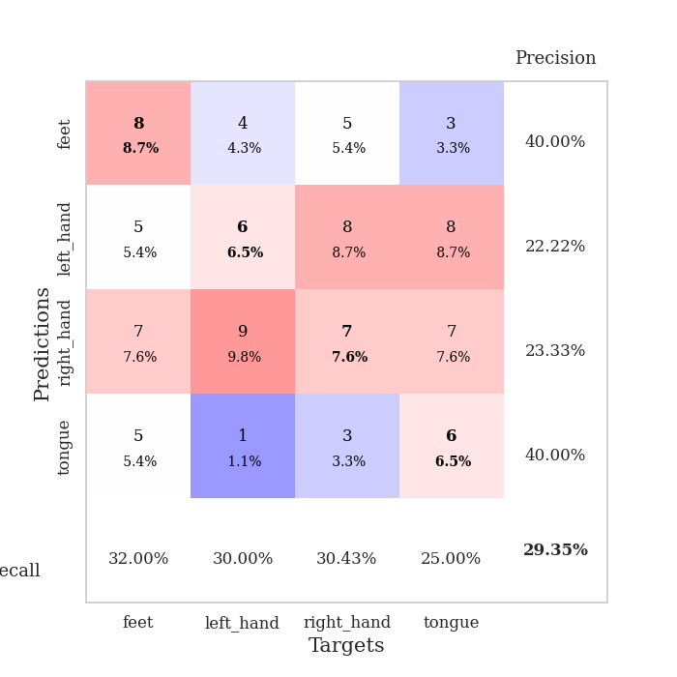
0.72954484432 | 1.7758484923 | 0.78260869565 | 0.29347826087 | 0.083059072495 | 78.260869565 | 29.347826087
0.67503034291 | 1.7137719756 | 0.8777173913 | 0.30434782609 | 0.083156824112 | 87.77173913 | 30.434782609
0.56062993083 | 1.7279206152 | 0.82608695652 | 0.3152173913 | 0.083154678345 | 82.608695652 | 31.52173913
0.65559675771 | 1.7191494703 | 0.86956521739 | 0.33695652174 | 0.082300901413 | 86.956521739 | 33.695652174
0.59034540861 | 1.8044993722 | 0.91576086957 | 0.3152173913 | 0.083161830902 | 91.576086957 | 31.52173913
0.59005551882 | 1.8262043673 | 0.88858695652 | 0.33695652174 | 0.083183288574 | 88.858695652 | 33.695652174
0.59427280076 | 1.8572193073 | 0.92663043478 | 0.32608695652 | 0.086452245712 | 92.663043478 | 32.608695652
0.51152201774 | 1.8565726539 | 0.94565217391 | 0.39130434783 | 0.085713863373 | 94.565217391 | 39.130434783
0.51761015861 | 1.9219763745 | 0.9402173913 | 0.32608695652 | 0.085505008698 | 94.02173913 | 32.608695652
0.5819946994 | 1.7755189201 | 0.96195652174 | 0.33695652174 | 0.084681749344 | 96.195652174 | 33.695652174
0.47695042193 | 1.8130018037 | 0.96195652174 | 0.33695652174 | 0.085693359375 | 96.195652174 | 33.695652174
0.50133616121 | 1.8461415612 | 0.92934782609 | 0.33695652174 | 0.085562705994 | 92.934782609 | 33.695652174
0.45217409989 | 1.8697091393 | 0.96467391304 | 0.32608695652 | 0.086979866028 | 96.467391304 | 32.608695652
0.45905753193 | 1.8221819453 | 0.97826086957 | 0.30434782609 | 0.085456132889 | 97.826086957 | 30.434782609
0.47024285599 | 1.8452736347 | 0.96467391304 | 0.35869565217 | 0.08545422554 | 96.467391304 | 35.869565217
0.47676455132 | 1.8751183489 | 0.96195652174 | 0.32608695652 | 0.085429430008 | 96.195652174 | 32.608695652
0.4394647816 | 1.8379869824 | 0.96739130435 | 0.3152173913 | 0.086648702621 | 96.739130435 | 31.52173913
0.41687292055 | 1.8193146612 | 0.97010869565 | 0.32608695652 | 0.088425397873 | 97.010869565 | 32.608695652
0.36376618529 | 1.797874829 | 0.97826086957 | 0.33695652174 | 0.086375713348 | 97.826086957 | 33.695652174
0.35622545882 | 1.8221767519 | 0.97554347826 | 0.34782608696 | 0.08568406105 | 97.554347826 | 34.782608696
0.49897292677 | 1.842687415 | 0.97010869565 | 0.32608695652 | 0.08610200882 | 97.010869565 | 32.608695652
0.40639380139 | 1.8178357197 | 0.98097826087 | 0.32608695652 | 0.085428953171 | 98.097826087 | 32.608695652
0.39779395254 | 1.8135492128 | 0.97554347826 | 0.35869565217 | 0.089289903641 | 97.554347826 | 35.869565217
0.35658027685 | 1.8128094829 | 0.97282608696 | 0.34782608696 | 0.085503101349 | 97.282608696 | 34.782608696
0.39891742235 | 1.8224135948 | 0.97010869565 | 0.33695652174 | 0.086283922195 | 97.010869565 | 33.695652174
0.3492607037 | 1.8209620766 | 0.97010869565 | 0.34782608696 | 0.08590722084 | 97.010869565 | 34.782608696
0.2988252345 | 1.8242867511 | 0.97826086957 | 0.33695652174 | 0.085749149323 | 97.826086957 | 33.695652174
0.35009810296 | 1.831763366 | 0.97826086957 | 0.33695652174 | 0.085784196854 | 97.826086957 | 33.695652174
0.3731965374 | 1.8379592325 | 0.98097826087 | 0.33695652174 | 0.085777044296 | 98.097826087 | 33.695652174
0.44576623777 | 1.843242298 | 0.98097826087 | 0.34782608696 | 0.085567712784 | 98.097826087 | 34.782608696
0.37045687567 | 1.8478978147 | 0.98097826087 | 0.34782608696 | 0.08563375473 | 98.097826087 | 34.782608696
0.36966076364 | 1.8527604756 | 0.98097826087 | 0.34782608696 | 0.086131334305 | 98.097826087 | 34.782608696

Best Val accuracy is 0.391304347826087 and Best test accuracy is 0.3706896551724138

Sheet2
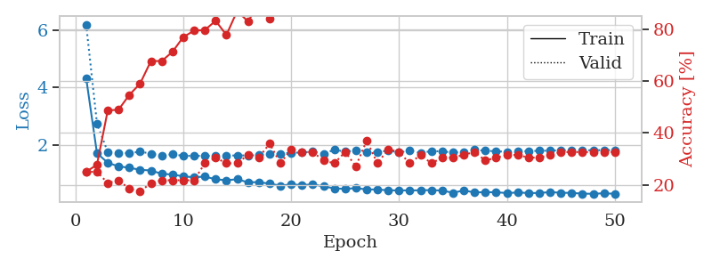
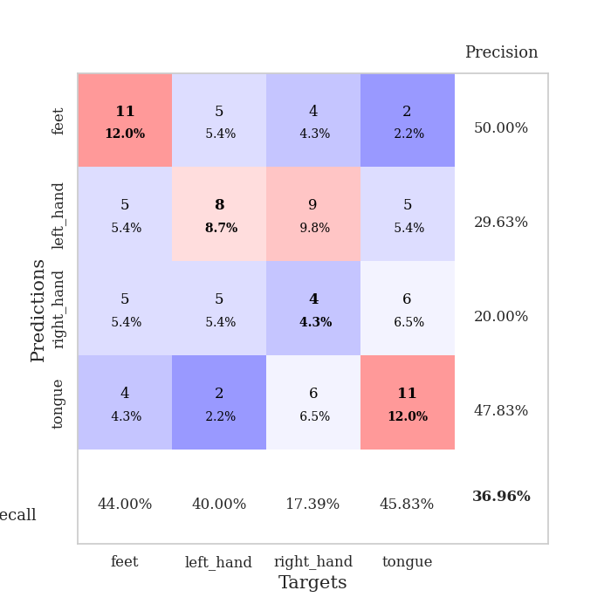
train_loss | valid_loss | train_accuracy | valid_accuracy | dur | train_misclass | valid_misclass
3.0497047797 | 6.3990687702 | 0.2527173913 | 0.26086956522 | 0.084582805634 | 25.27173913 | 26.086956522
1.5269851218 | 3.0302027101 | 0.25543478261 | 0.26086956522 | 0.082067012787 | 25.543478261 | 26.086956522
1.2896177302 | 2.0632458459 | 0.38043478261 | 0.25 | 0.083184719086 | 38.043478261 | 25
1.161937781 | 2.0337932835 | 0.39673913043 | 0.27173913043 | 0.081561088562 | 39.673913043 | 27.173913043
1.0627015674 | 1.7687798946 | 0.61413043478 | 0.32608695652 | 0.082048177719 | 61.413043478 | 32.608695652
1.0548079973 | 1.8632763728 | 0.65489130435 | 0.30434782609 | 0.082142591476 | 65.489130435 | 30.434782609
0.9549579128 | 1.8288250125 | 0.70652173913 | 0.29347826087 | 0.081926822662 | 70.652173913 | 29.347826087
0.95937725254 | 1.7163874118 | 0.70380434783 | 0.29347826087 | 0.081915378571 | 70.380434783 | 29.347826087
0.8941704268 | 1.90073741 | 0.66847826087 | 0.28260869565 | 0.081893205643 | 66.847826087 | 28.260869565
0.87213065832 | 1.8601357056 | 0.78804347826 | 0.26086956522 | 0.081746101379 | 78.804347826 | 26.086956522
0.81410830695 | 1.955737342 | 0.75815217391 | 0.30434782609 | 0.081796169281 | 75.815217391 | 30.434782609
0.79580098131 | 2.1157496701 | 0.70108695652 | 0.3152173913 | 0.081746578217 | 70.108695652 | 31.52173913
0.76807010433 | 1.8199326422 | 0.80163043478 | 0.3152173913 | 0.081912279129 | 80.163043478 | 31.52173913
0.67186473504 | 1.7926763711 | 0.83967391304 | 0.32608695652 | 0.081807136536 | 83.967391304 | 32.608695652
0.70904039689 | 1.7021232118 | 0.89130434783 | 0.34782608696 | 0.081844806671 | 89.130434783 | 34.782608696
0.63959827112 | 1.8528208162 | 0.875 | 0.29347826087 | 0.081948518753 | 87.5 | 29.347826087
0.69863289076 | 1.8112783847 | 0.89402173913 | 0.27173913043 | 0.081965684891 | 89.402173913 | 27.173913043
0.64013974693 | 1.8459629391 | 0.84782608696 | 0.33695652174 | 0.082144975662 | 84.782608696 | 33.695652174
0.60658875108 | 1.9203307421 | 0.85054347826 | 0.3152173913 | 0.081848859787 | 85.054347826 | 31.52173913
0.62223419612 | 2.0089500832 | 0.84782608696 | 0.32608695652 | 0.082021951675 | 84.782608696 | 32.608695652
0.54273926953 | 1.8305857233 | 0.92934782609 | 0.30434782609 | 0.081951618195 | 92.934782609 | 30.434782609
0.5786569585 | 2.0639231101 | 0.875 | 0.35869565217 | 0.081990242004 | 87.5 | 35.869565217
0.55358105639 | 2.0407999132 | 0.92934782609 | 0.27173913043 | 0.082439661026 | 92.934782609 | 27.173913043
0.56523987521 | 1.9234178429 | 0.96195652174 | 0.28260869565 | 0.082045078278 | 96.195652174 | 28.260869565
0.56341699673 | 2.2137577223 | 0.84510869565 | 0.30434782609 | 0.081925630569 | 84.510869565 | 30.434782609
0.554163811 | 1.9911235934 | 0.95108695652 | 0.30434782609 | 0.081913471222 | 95.108695652 | 30.434782609
0.48269685779 | 2.0808962739 | 0.92934782609 | 0.27173913043 | 0.081958770752 | 92.934782609 | 27.173913043
0.47578223244 | 2.020439319 | 0.89945652174 | 0.32608695652 | 0.081883907318 | 89.945652174 | 32.608695652
0.49629575468 | 2.0682944163 | 0.91032608696 | 0.30434782609 | 0.082094430923 | 91.032608696 | 30.434782609
0.40676906122 | 1.9990291595 | 0.91032608696 | 0.33695652174 | 0.081885099411 | 91.032608696 | 33.695652174
0.42314820056 | 2.0511668247 | 0.89402173913 | 0.32608695652 | 0.082008600235 | 89.402173913 | 32.608695652
0.45757930888 | 2.0268608798 | 0.91032608696 | 0.3152173913 | 0.082293272018 | 91.032608696 | 31.52173913
0.43904150698 | 1.9350933666 | 0.93206521739 | 0.3152173913 | 0.083483219147 | 93.206521739 | 31.52173913
0.36161672421 | 1.9893658887 | 0.91032608696 | 0.32608695652 | 0.082945346832 | 91.032608696 | 32.608695652
0.40138601479 | 2.0016915332 | 0.93206521739 | 0.3152173913 | 0.082337617874 | 93.206521739 | 31.52173913
0.4072966391 | 2.067908484 | 0.90489130435 | 0.33695652174 | 0.082122802734 | 90.489130435 | 33.695652174
0.38589673263 | 2.021581515 | 0.9375 | 0.34782608696 | 0.081760883331 | 93.75 | 34.782608696
0.38303520628 | 2.1345285333 | 0.89945652174 | 0.32608695652 | 0.082039833069 | 89.945652174 | 32.608695652
0.37904437405 | 2.0625379708 | 0.92119565217 | 0.32608695652 | 0.081859588623 | 92.119565217 | 32.608695652
0.41124729164 | 2.0130633012 | 0.9375 | 0.33695652174 | 0.081850290298 | 93.75 | 33.695652174
0.34946252535 | 2.0805221278 | 0.91576086957 | 0.32608695652 | 0.082014560699 | 91.576086957 | 32.608695652
0.3973772623 | 2.1063453996 | 0.91304347826 | 0.33695652174 | 0.081893920898 | 91.304347826 | 33.695652174
0.35482589965 | 2.1121636214 | 0.91304347826 | 0.33695652174 | 0.081795215607 | 91.304347826 | 33.695652174
0.36405851141 | 2.1271517847 | 0.90760869565 | 0.33695652174 | 0.081826448441 | 90.760869565 | 33.695652174
0.34323862325 | 2.1324922728 | 0.90760869565 | 0.33695652174 | 0.081984043121 | 90.760869565 | 33.695652174
0.33450534421 | 2.1191011564 | 0.91032608696 | 0.33695652174 | 0.081975221634 | 91.032608696 | 33.695652174
0.37709821048 | 2.1224635995 | 0.91304347826 | 0.33695652174 | 0.081922292709 | 91.304347826 | 33.695652174
0.40059823057 | 2.1210912155 | 0.91576086957 | 0.33695652174 | 0.081877946854 | 91.576086957 | 33.695652174
0.39359070944 | 2.120273191 | 0.91576086957 | 0.33695652174 | 0.082023143768 | 91.576086957 | 33.695652174
0.4241001593 | 2.119910121 | 0.91576086957 | 0.33695652174 | 0.081826448441 | 91.576086957 | 33.695652174

Best Val accuracy is 0.358695652173913 and Best test accuracy is 0.3103448275862069
train_loss | valid_loss | train_accuracy | valid_accuracy | dur | train_misclass | valid_misclass
4.3275215159 | 6.1942050768 | 0.25 | 0.25 | 0.092453479767 | 25 | 25
1.7110983289 | 2.7480990679 | 0.27717391304 | 0.25 | 0.087082624435 | 27.717391304 | 25
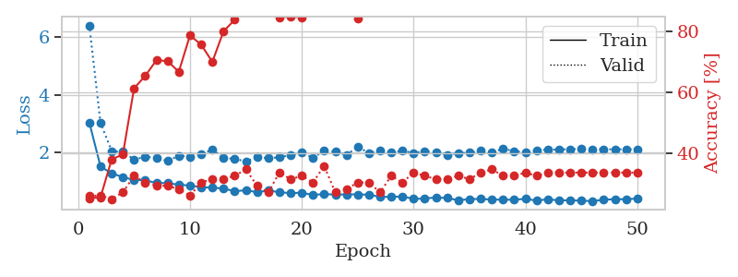
1.3755649199 | 1.7502083156 | 0.48641304348 | 0.20652173913 | 0.086484193802 | 48.641304348 | 20.652173913
1.2505674181 | 1.7276354043 | 0.48913043478 | 0.21739130435 | 0.086343288422 | 48.913043478 | 21.739130435
1.2028273888 | 1.7100444825 | 0.54619565217 | 0.1847826087 | 0.086307764053 | 54.619565217 | 18.47826087
1.1307953855 | 1.7635455598 | 0.58967391304 | 0.17391304348 | 0.087055206299 | 58.967391304 | 17.391304348
1.1080393947 | 1.694154475 | 0.67663043478 | 0.20652173913 | 0.089347362518 | 67.663043478 | 20.652173913
0.99195519738 | 1.6225344824 | 0.67663043478 | 0.21739130435 | 0.093230009079 | 67.663043478 | 21.739130435
0.96602323003 | 1.6737944095 | 0.71195652174 | 0.21739130435 | 0.096893072128 | 71.195652174 | 21.739130435
0.90353866245 | 1.615617607 | 0.76902173913 | 0.21739130435 | 0.086173295975 | 76.902173913 | 21.739130435
0.86954935996 | 1.6200208249 | 0.79347826087 | 0.21739130435 | 0.089745998383 | 79.347826087 | 21.739130435
0.89575589481 | 1.6123111818 | 0.79619565217 | 0.28260869565 | 0.08563375473 | 79.619565217 | 28.260869565
0.79909090374 | 1.6271985303 | 0.83152173913 | 0.30434782609 | 0.087049484253 | 83.152173913 | 30.434782609
0.7674821693 | 1.6223054347 | 0.77717391304 | 0.28260869565 | 0.086970806122 | 77.717391304 | 28.260869565
0.80145411517 | 1.633665033 | 0.86956521739 | 0.28260869565 | 0.086922645569 | 86.956521739 | 28.260869565
0.69462443564 | 1.6306477785 | 0.82880434783 | 0.3152173913 | 0.086699724197 | 82.880434783 | 31.52173913
0.70287489761 | 1.6408978027 | 0.89673913043 | 0.30434782609 | 0.086865663528 | 89.673913043 | 30.434782609
0.64695585681 | 1.6869690107 | 0.83967391304 | 0.35869565217 | 0.086576938629 | 83.967391304 | 35.869565217
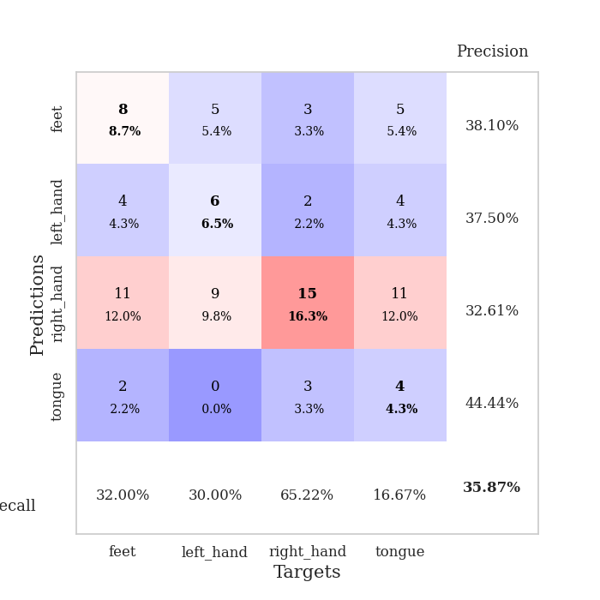
0.57882837757 | 1.6914250954 | 0.89402173913 | 0.28260869565 | 0.086716175079 | 89.402173913 | 28.260869565
0.62108298618 | 1.7288491104 | 0.92119565217 | 0.33695652174 | 0.10396957397 | 92.119565217 | 33.695652174
0.59883981295 | 1.7300680409 | 0.91847826087 | 0.32608695652 | 0.09467124939 | 91.847826087 | 32.608695652
0.62227719115 | 1.7715546567 | 0.92663043478 | 0.32608695652 | 0.086760282516 | 92.663043478 | 32.608695652
0.55314028522 | 1.6882718646 | 0.94293478261 | 0.29347826087 | 0.086181402206 | 94.293478261 | 29.347826087
0.48568789791 | 1.8305603914 | 0.91304347826 | 0.28260869565 | 0.086361408234 | 91.304347826 | 28.260869565
0.46541278971 | 1.7647131267 | 0.92391304348 | 0.32608695652 | 0.085963010788 | 92.391304348 | 32.608695652
0.49239846611 | 1.8039736774 | 0.9347826087 | 0.27173913043 | 0.086030483246 | 93.47826087 | 27.173913043
0.44683620787 | 1.7525271747 | 0.96739130435 | 0.36956521739 | 0.086081981659 | 96.739130435 | 36.956521739
0.44568293768 | 1.746331233 | 0.95108695652 | 0.28260869565 | 0.086735010147 | 95.108695652 | 28.260869565
0.4146684758 | 1.8016189985 | 0.94565217391 | 0.33695652174 | 0.086969852448 | 94.565217391 | 33.695652174
0.4153166355 | 1.7374100063 | 0.94293478261 | 0.32608695652 | 0.086381912231 | 94.293478261 | 32.608695652
0.41198721269 | 1.7975398872 | 0.97010869565 | 0.28260869565 | 0.086255788803 | 97.010869565 | 28.260869565
0.41829443172 | 1.720148312 | 0.97554347826 | 0.3152173913 | 0.08650302887 | 97.554347826 | 31.52173913
0.4236684921 | 1.7829660618 | 0.98913043478 | 0.28260869565 | 0.086530208588 | 98.913043478 | 28.260869565
0.40719172682 | 1.7733343606 | 0.98369565217 | 0.30434782609 | 0.086426258087 | 98.369565217 | 30.434782609
0.33037530113 | 1.7351797042 | 0.98641304348 | 0.30434782609 | 0.089528083801 | 98.641304348 | 30.434782609
0.41133122081 | 1.7536828855 | 0.98913043478 | 0.3152173913 | 0.086322069168 | 98.913043478 | 31.52173913
0.34268711378 | 1.8261965746 | 0.99456521739 | 0.32608695652 | 0.088703393936 | 99.456521739 | 32.608695652
0.35114225033 | 1.7945215495 | 0.99184782609 | 0.29347826087 | 0.089084148407 | 99.184782609 | 29.347826087
0.34914532142 | 1.7773543156 | 0.9972826087 | 0.30434782609 | 0.08623957634 | 99.72826087 | 30.434782609
0.32032910054 | 1.7567183375 | 0.9972826087 | 0.3152173913 | 0.086325645447 | 99.72826087 | 31.52173913
0.34093461089 | 1.7761909055 | 0.99184782609 | 0.3152173913 | 0.086167573929 | 99.184782609 | 31.52173913
0.32289043684 | 1.779991904 | 0.99456521739 | 0.30434782609 | 0.088087081909 | 99.456521739 | 30.434782609
0.32170615216 | 1.7936013185 | 0.99456521739 | 0.30434782609 | 0.085886716843 | 99.456521739 | 30.434782609
0.35579889818 | 1.7989691781 | 1 | 0.3152173913 | 0.086173295975 | 100 | 31.52173913
0.3297891714 | 1.811595427 | 1 | 0.32608695652 | 0.085937976837 | 100 | 32.608695652
0.32707888601 | 1.8094773785 | 1 | 0.32608695652 | 0.085976362228 | 100 | 32.608695652
0.29959854419 | 1.8111447122 | 1 | 0.32608695652 | 0.08627986908 | 100 | 32.608695652
0.29603461662 | 1.8138260401 | 1 | 0.32608695652 | 0.08668255806 | 100 | 32.608695652
0.31284112483 | 1.8161476669 | 1 | 0.32608695652 | 0.086050510406 | 100 | 32.608695652
0.29516198454 | 1.8182865848 | 1 | 0.32608695652 | 0.086356163025 | 100 | 32.608695652

Best Val accuracy is 0.3695652173913043 and Best test accuracy is 0.4224137931034483

Sheet3
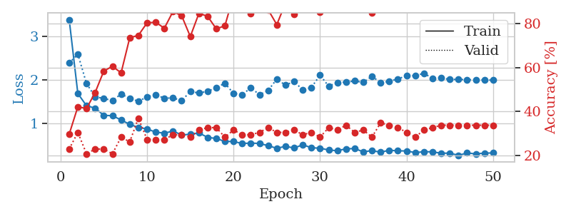
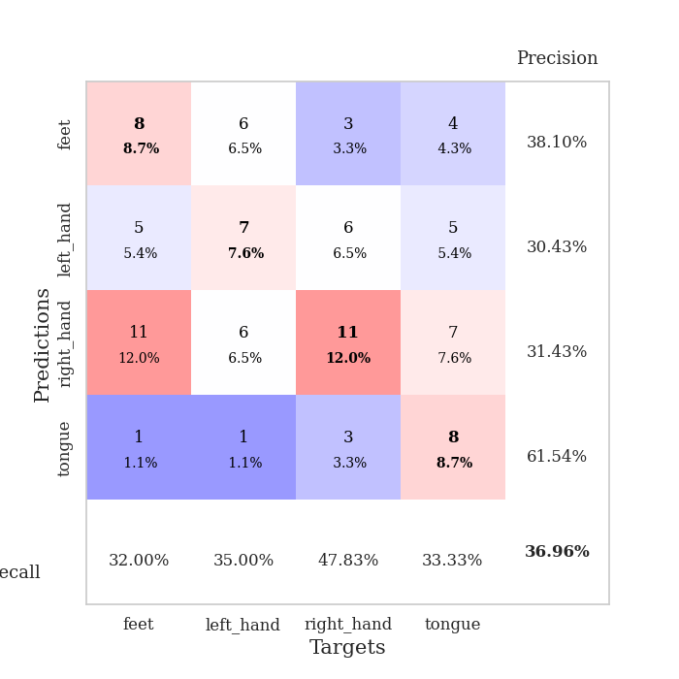
train_loss | valid_loss | train_accuracy | valid_accuracy | dur | train_misclass | valid_misclass
3.3254645078 | 3.0804322284 | 0.24184782609 | 0.27173913043 | 0.083648443222 | 24.184782609 | 27.173913043
1.6772936583 | 2.1655841599 | 0.25 | 0.27173913043 | 0.081881284714 | 25 | 27.173913043
1.4489123925 | 2.0089212501 | 0.27717391304 | 0.26086956522 | 0.081704378128 | 27.717391304 | 26.086956522
1.3637838156 | 1.8085193323 | 0.41576086957 | 0.29347826087 | 0.081701755524 | 41.576086957 | 29.347826087
1.2556997278 | 1.6115686738 | 0.38315217391 | 0.30434782609 | 0.081718921661 | 38.315217391 | 30.434782609
1.2086880881 | 1.5166271614 | 0.55163043478 | 0.25 | 0.081743955612 | 55.163043478 | 25
1.1372618572 | 1.5403782751 | 0.59239130435 | 0.28260869565 | 0.081472158432 | 59.239130435 | 28.260869565
1.119995239 | 1.5129898994 | 0.63858695652 | 0.23913043478 | 0.081515550613 | 63.858695652 | 23.913043478
1.0203940506 | 1.5288396918 | 0.67119565217 | 0.29347826087 | 0.08163189888 | 67.119565217 | 29.347826087
0.94576929186 | 1.5445961278 | 0.70108695652 | 0.25 | 0.08158826828 | 70.108695652 | 25
0.9826478984 | 1.4862383604 | 0.73913043478 | 0.29347826087 | 0.081544876099 | 73.913043478 | 29.347826087
0.97266373168 | 1.4749325877 | 0.76902173913 | 0.25 | 0.08162021637 | 76.902173913 | 25
0.94114786386 | 1.4808601504 | 0.7527173913 | 0.30434782609 | 0.082071065903 | 75.27173913 | 30.434782609
0.8955248983 | 1.585106067 | 0.72826086957 | 0.33695652174 | 0.081557273865 | 72.826086957 | 33.695652174
0.79316583665 | 1.5969864026 | 0.75543478261 | 0.3152173913 | 0.081809043884 | 75.543478261 | 31.52173913
0.76971429846 | 1.5446450296 | 0.76086956522 | 0.32608695652 | 0.081651687622 | 76.086956522 | 32.608695652
0.8028915071 | 1.5515649578 | 0.84510869565 | 0.26086956522 | 0.08168554306 | 84.510869565 | 26.086956522
0.66760575383 | 1.6212061851 | 0.76902173913 | 0.32608695652 | 0.081522464752 | 76.902173913 | 32.608695652
0.64832374713 | 1.5203804037 | 0.85597826087 | 0.29347826087 | 0.081923723221 | 85.597826087 | 29.347826087
0.65121912049 | 1.4950377734 | 0.875 | 0.33695652174 | 0.081473588943 | 87.5 | 33.695652174
0.61200047576 | 1.4697380792 | 0.89673913043 | 0.32608695652 | 0.081797122955 | 89.673913043 | 32.608695652
0.64825102687 | 1.5281141634 | 0.90489130435 | 0.34782608696 | 0.081489801407 | 90.489130435 | 34.782608696
0.58310991396 | 1.5889737347 | 0.86684782609 | 0.32608695652 | 0.081749200821 | 86.684782609 | 32.608695652
0.53463823251 | 1.5683063269 | 0.85054347826 | 0.34782608696 | 0.081957578659 | 85.054347826 | 34.782608696
0.50024332365 | 1.4970305225 | 0.92119565217 | 0.33695652174 | 0.081354141235 | 92.119565217 | 33.695652174
0.46601512251 | 1.5207327034 | 0.89402173913 | 0.35869565217 | 0.081481695175 | 89.402173913 | 35.869565217
0.46525619794 | 1.506683049 | 0.91304347826 | 0.35869565217 | 0.082138061523 | 91.304347826 | 35.869565217
0.56105909011 | 1.4963451935 | 0.9375 | 0.36956521739 | 0.081645965576 | 93.75 | 36.956521739
0.49142746433 | 1.5471657722 | 0.91304347826 | 0.33695652174 | 0.081865787506 | 91.304347826 | 33.695652174
0.47716112111 | 1.4998498844 | 0.9402173913 | 0.36956521739 | 0.081900119781 | 94.02173913 | 36.956521739
0.42140546506 | 1.5418043085 | 0.9402173913 | 0.34782608696 | 0.081648111343 | 94.02173913 | 34.782608696
0.38052043643 | 1.5343668513 | 0.96195652174 | 0.35869565217 | 0.08157491684 | 96.195652174 | 35.869565217
0.39287632315 | 1.5772812729 | 0.90489130435 | 0.33695652174 | 0.081657409668 | 90.489130435 | 33.695652174
0.39579632554 | 1.6315557853 | 0.88858695652 | 0.36956521739 | 0.081754684448 | 88.858695652 | 36.956521739
0.45926612745 | 1.6488483833 | 0.86956521739 | 0.36956521739 | 0.081414699554 | 86.956521739 | 36.956521739
0.40658601082 | 1.5644735098 | 0.92119565217 | 0.34782608696 | 0.081587791443 | 92.119565217 | 34.782608696
0.37817590716 | 1.5561912785 | 0.92391304348 | 0.33695652174 | 0.081532001495 | 92.391304348 | 33.695652174
0.35267906409 | 1.594941642 | 0.92119565217 | 0.38043478261 | 0.081793308258 | 92.119565217 | 38.043478261
0.36167819863 | 1.5944791825 | 0.92391304348 | 0.36956521739 | 0.082046031952 | 92.391304348 | 36.956521739
0.37451140129 | 1.5657165569 | 0.9402173913 | 0.39130434783 | 0.081756830215 | 94.02173913 | 39.130434783
0.37356708296 | 1.5690277193 | 0.9347826087 | 0.39130434783 | 0.081917762756 | 93.47826087 | 39.130434783
0.33990327625 | 1.5670104804 | 0.9347826087 | 0.38043478261 | 0.081512212753 | 93.47826087 | 38.043478261
0.33890025188 | 1.5712232849 | 0.9347826087 | 0.36956521739 | 0.081671953201 | 93.47826087 | 36.956521739
0.33211761583 | 1.5696207337 | 0.94565217391 | 0.36956521739 | 0.081728458405 | 94.565217391 | 36.956521739
0.34687991959 | 1.5678772097 | 0.94293478261 | 0.36956521739 | 0.082007169724 | 94.293478261 | 36.956521739
0.34486759033 | 1.5583334436 | 0.94836956522 | 0.36956521739 | 0.081676721573 | 94.836956522 | 36.956521739
0.32851620278 | 1.5533018423 | 0.95108695652 | 0.38043478261 | 0.082015991211 | 95.108695652 | 38.043478261
0.33939340516 | 1.5524360978 | 0.95380434783 | 0.38043478261 | 0.081919431686 | 95.380434783 | 38.043478261
0.29369691241 | 1.5515269559 | 0.95380434783 | 0.36956521739 | 0.081952810287 | 95.380434783 | 36.956521739
0.37191540975 | 1.5508749174 | 0.95380434783 | 0.36956521739 | 0.081904172897 | 95.380434783 | 36.956521739

Best Val accuracy is 0.391304347826087 and Best test accuracy is 0.3620689655172414
train_loss | valid_loss | train_accuracy | valid_accuracy | dur | train_misclass | valid_misclass
3.3897701139 | 2.388771223 | 0.29619565217 | 0.22826086957 | 0.090663194656 | 29.619565217 | 22.826086957
1.6870301858 | 2.5954977015 | 0.42119565217 | 0.30434782609 | 0.086758613586 | 42.119565217 | 30.434782609
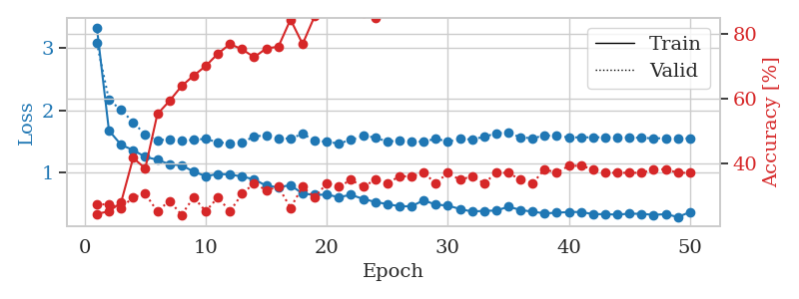
1.4067889944 | 1.9191762935 | 0.41304347826 | 0.20652173913 | 0.086672067642 | 41.304347826 | 20.652173913
1.3493491644 | 1.6132016337 | 0.48641304348 | 0.22826086957 | 0.086036205292 | 48.641304348 | 22.826086957
1.1851183228 | 1.5712909906 | 0.58423913043 | 0.22826086957 | 0.086246013641 | 58.423913043 | 22.826086957
1.1753258731 | 1.5273037579 | 0.60597826087 | 0.20652173913 | 0.086158275604 | 60.597826087 | 20.652173913
1.0791072612 | 1.6735863478 | 0.57608695652 | 0.28260869565 | 0.09041595459 | 57.608695652 | 28.260869565
0.97557687241 | 1.5802943033 | 0.73641304348 | 0.26086956522 | 0.09520483017 | 73.641304348 | 26.086956522
0.9056916509 | 1.5071158668 | 0.7472826087 | 0.36956521739 | 0.086737394333 | 74.72826087 | 36.956521739
0.87159044587 | 1.6108149653 | 0.80434782609 | 0.27173913043 | 0.086541891098 | 80.434782609 | 27.173913043
0.79676250271 | 1.6623141662 | 0.80706521739 | 0.27173913043 | 0.086292028427 | 80.706521739 | 27.173913043
0.77539271375 | 1.5766879009 | 0.77989130435 | 0.27173913043 | 0.086110115051 | 77.989130435 | 27.173913043
0.82053185935 | 1.5886373261 | 0.85597826087 | 0.29347826087 | 0.086574077606 | 85.597826087 | 29.347826087
0.73544545407 | 1.5211983764 | 0.83695652174 | 0.29347826087 | 0.086081266403 | 83.695652174 | 29.347826087
0.74635158674 | 1.7333430259 | 0.74184782609 | 0.28260869565 | 0.086302757263 | 74.184782609 | 28.260869565
0.77771672088 | 1.6998962579 | 0.84782608696 | 0.3152173913 | 0.086409091949 | 84.782608696 | 31.52173913
0.67804115752 | 1.7363323906 | 0.83423913043 | 0.32608695652 | 0.086376905441 | 83.423913043 | 32.608695652
0.65047501481 | 1.8260459485 | 0.77717391304 | 0.32608695652 | 0.086750745773 | 77.717391304 | 32.608695652
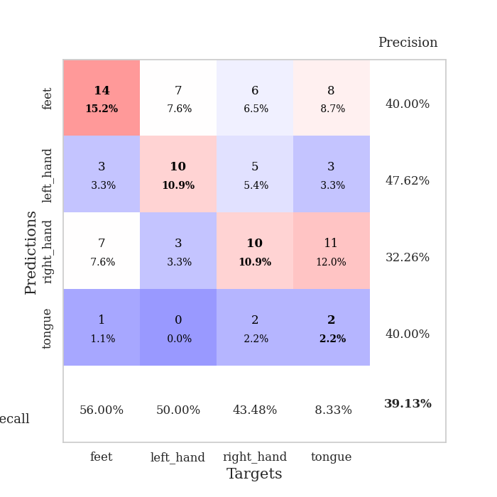
0.58420601876 | 1.9220122151 | 0.79076086957 | 0.28260869565 | 0.086097240448 | 79.076086957 | 28.260869565
0.58025988807 | 1.6905227692 | 0.92934782609 | 0.3152173913 | 0.086150169373 | 92.934782609 | 31.52173913
0.53686579803 | 1.6591254732 | 0.89945652174 | 0.29347826087 | 0.086312770844 | 89.945652174 | 29.347826087
0.54427980988 | 1.8210551687 | 0.84782608696 | 0.29347826087 | 0.086263895035 | 84.782608696 | 29.347826087
0.5375833764 | 1.6593056814 | 0.88586956522 | 0.30434782609 | 0.089225769043 | 88.586956522 | 30.434782609
0.48522605132 | 1.7573993362 | 0.86413043478 | 0.32608695652 | 0.086126804352 | 86.413043478 | 32.608695652
0.42527633581 | 2.0202149308 | 0.79619565217 | 0.30434782609 | 0.085941553116 | 79.619565217 | 30.434782609
0.47064513098 | 1.8800048621 | 0.89402173913 | 0.30434782609 | 0.088049888611 | 89.402173913 | 30.434782609
0.43188454729 | 1.9665268556 | 0.84239130435 | 0.3152173913 | 0.085934638977 | 84.239130435 | 31.52173913
0.50659988821 | 1.7686817283 | 0.90760869565 | 0.29347826087 | 0.086639881134 | 90.760869565 | 29.347826087
0.43855181822 | 1.8275049407 | 0.96467391304 | 0.30434782609 | 0.088889122009 | 96.467391304 | 30.434782609
0.42664225205 | 2.1101051724 | 0.85326086957 | 0.28260869565 | 0.085561037064 | 85.326086957 | 28.260869565
0.3872778623 | 1.8552125433 | 0.92663043478 | 0.32608695652 | 0.086225032806 | 92.663043478 | 32.608695652
0.36789617979 | 1.9433683934 | 0.89130434783 | 0.3152173913 | 0.08624958992 | 89.130434783 | 31.52173913
0.41432330401 | 1.9483025126 | 0.92934782609 | 0.33695652174 | 0.086069107056 | 92.934782609 | 33.695652174
0.41854794712 | 1.9765406743 | 0.92934782609 | 0.30434782609 | 0.086151599884 | 92.934782609 | 30.434782609
0.34360344773 | 1.9437251091 | 0.9375 | 0.3152173913 | 0.087578296661 | 93.75 | 31.52173913
0.37222270473 | 2.0855332095 | 0.85054347826 | 0.28260869565 | 0.086311340332 | 85.054347826 | 28.260869565
0.33476112006 | 1.9361750924 | 0.92391304348 | 0.34782608696 | 0.086397409439 | 92.391304348 | 34.782608696
0.38076139663 | 1.9677137758 | 0.92934782609 | 0.33695652174 | 0.089681386948 | 92.934782609 | 33.695652174
0.36594334893 | 2.0242826213 | 0.91032608696 | 0.32608695652 | 0.086254835129 | 91.032608696 | 32.608695652
0.36448712258 | 2.096433852 | 0.89402173913 | 0.30434782609 | 0.088575124741 | 89.402173913 | 30.434782609
0.32555719951 | 2.0976638846 | 0.88858695652 | 0.28260869565 | 0.091006040573 | 88.858695652 | 28.260869565
0.34694157476 | 2.1518355142 | 0.875 | 0.3152173913 | 0.086798667908 | 87.5 | 31.52173913
0.34343072642 | 2.0380076118 | 0.92119565217 | 0.32608695652 | 0.086255073547 | 92.119565217 | 32.608695652
0.31159117656 | 2.0455346367 | 0.91032608696 | 0.33695652174 | 0.086605548859 | 91.032608696 | 33.695652174
0.31357951333 | 2.011766724 | 0.93206521739 | 0.33695652174 | 0.086520195007 | 93.206521739 | 33.695652174
0.26329225626 | 2.0127599965 | 0.9347826087 | 0.33695652174 | 0.086354970932 | 93.47826087 | 33.695652174
0.31661771173 | 2.005242555 | 0.9347826087 | 0.33695652174 | 0.086648225784 | 93.47826087 | 33.695652174
0.297249438 | 2.0025791033 | 0.9375 | 0.33695652174 | 0.08669257164 | 93.75 | 33.695652174
0.31432124454 | 1.9980762938 | 0.9402173913 | 0.33695652174 | 0.093942165375 | 94.02173913 | 33.695652174
0.31769360019 | 1.9966479333 | 0.9402173913 | 0.33695652174 | 0.08668923378 | 94.02173913 | 33.695652174

Best Val accuracy is 0.3695652173913043 and Best test accuracy is 0.3620689655172414

Sheet4
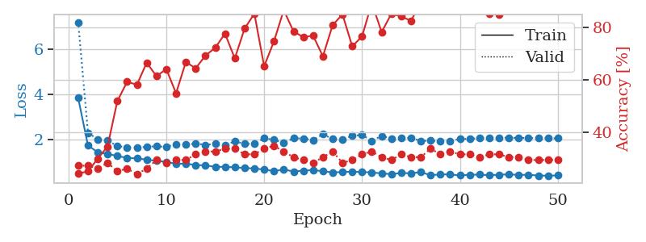
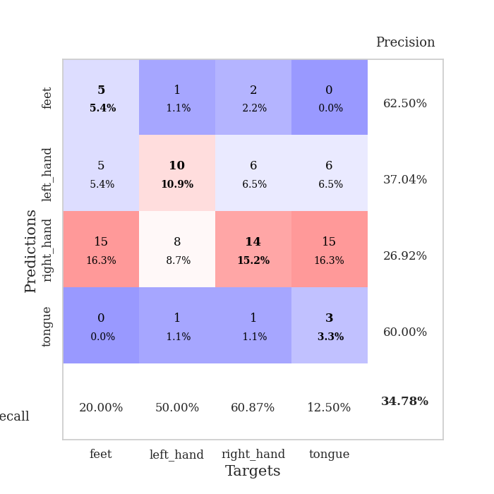
train_loss | valid_loss | train_accuracy | valid_accuracy | dur | train_misclass | valid_misclass
3.774273323 | 4.4035336246 | 0.25815217391 | 0.26086956522 | 0.083735227585 | 25.815217391 | 26.086956522
1.6366402481 | 2.4030074762 | 0.3097826087 | 0.25 | 0.082018136978 | 30.97826087 | 25
1.3817716163 | 1.6987302303 | 0.46739130435 | 0.21739130435 | 0.081516265869 | 46.739130435 | 21.739130435
1.3178359892 | 1.6281983075 | 0.48641304348 | 0.27173913043 | 0.081220388412 | 48.641304348 | 27.173913043
1.2008594404 | 1.6277923584 | 0.5625 | 0.22826086957 | 0.08172249794 | 56.25 | 22.826086957
1.2263231381 | 1.6604796389 | 0.60054347826 | 0.20652173913 | 0.081643342972 | 60.054347826 | 20.652173913
1.1732696917 | 1.6025652471 | 0.60326086957 | 0.27173913043 | 0.081536531448 | 60.326086957 | 27.173913043
1.1084800933 | 1.6268802518 | 0.63043478261 | 0.29347826087 | 0.081484079361 | 63.043478261 | 29.347826087
1.0207002863 | 1.5939936845 | 0.69565217391 | 0.29347826087 | 0.081782102585 | 69.565217391 | 29.347826087
1.0353846602 | 1.5094102725 | 0.73369565217 | 0.34782608696 | 0.08180475235 | 73.369565217 | 34.782608696
0.98778277117 | 1.5767032582 | 0.6875 | 0.29347826087 | 0.081748008728 | 68.75 | 29.347826087
0.94099414349 | 1.552525681 | 0.72554347826 | 0.32608695652 | 0.081783771515 | 72.554347826 | 32.608695652
0.88722650383 | 1.6901725893 | 0.6847826087 | 0.35869565217 | 0.08176279068 | 68.47826087 | 35.869565217
0.96042133414 | 1.6442223165 | 0.73641304348 | 0.28260869565 | 0.081652164459 | 73.641304348 | 28.260869565
0.86911511162 | 1.6310079979 | 0.73641304348 | 0.35869565217 | 0.081509828568 | 73.641304348 | 35.869565217
0.82936095932 | 1.6047747809 | 0.77989130435 | 0.34782608696 | 0.081589698792 | 77.989130435 | 34.782608696
0.8211423651 | 1.5537389931 | 0.79891304348 | 0.35869565217 | 0.081408977509 | 79.891304348 | 35.869565217
0.80407675194 | 1.6668773475 | 0.8097826087 | 0.39130434783 | 0.081565380096 | 80.97826087 | 39.130434783
0.74042352127 | 1.6758697707 | 0.78804347826 | 0.33695652174 | 0.081748247147 | 78.804347826 | 33.695652174
0.72876945656 | 1.6929777031 | 0.8152173913 | 0.36956521739 | 0.081668138504 | 81.52173913 | 36.956521739
0.7520633612 | 1.7431113668 | 0.77445652174 | 0.39130434783 | 0.08127117157 | 77.445652174 | 39.130434783
0.71211097163 | 1.7669193175 | 0.82608695652 | 0.34782608696 | 0.081341981888 | 82.608695652 | 34.782608696
0.61268116469 | 1.6852853246 | 0.875 | 0.32608695652 | 0.081548929214 | 87.5 | 32.608695652
0.69405982157 | 1.6543208672 | 0.86956521739 | 0.39130434783 | 0.081516027451 | 86.956521739 | 39.130434783
0.60329849435 | 1.6514753725 | 0.89673913043 | 0.34782608696 | 0.081383943558 | 89.673913043 | 34.782608696
0.65771739379 | 1.7186160761 | 0.88586956522 | 0.33695652174 | 0.081789493561 | 88.586956522 | 33.695652174
0.60989613637 | 1.6669336454 | 0.86956521739 | 0.36956521739 | 0.08146238327 | 86.956521739 | 36.956521739
0.57734327083 | 1.7003183417 | 0.88858695652 | 0.38043478261 | 0.081439256668 | 88.858695652 | 38.043478261
0.53223304969 | 1.6309277752 | 0.91847826087 | 0.3152173913 | 0.081240177155 | 91.847826087 | 31.52173913
0.5821395646 | 1.7612776134 | 0.89673913043 | 0.33695652174 | 0.081594467163 | 89.673913043 | 33.695652174
0.55664344067 | 1.6939626569 | 0.90760869565 | 0.34782608696 | 0.081283569336 | 90.760869565 | 34.782608696
0.54037434057 | 1.7555513745 | 0.89945652174 | 0.36956521739 | 0.08132314682 | 89.945652174 | 36.956521739
0.53625706745 | 1.7699632593 | 0.89673913043 | 0.30434782609 | 0.081257581711 | 89.673913043 | 30.434782609
0.53416138758 | 1.6950242986 | 0.90760869565 | 0.30434782609 | 0.081317186356 | 90.760869565 | 30.434782609
0.49305706698 | 1.6841319799 | 0.91304347826 | 0.32608695652 | 0.081358671188 | 91.304347826 | 32.608695652
0.49127689846 | 1.7466649024 | 0.91304347826 | 0.33695652174 | 0.081366300583 | 91.304347826 | 33.695652174
0.45659027864 | 1.7977539767 | 0.90217391304 | 0.3152173913 | 0.081660032272 | 90.217391304 | 31.52173913
0.50048983227 | 1.7350339008 | 0.91847826087 | 0.33695652174 | 0.081486225128 | 91.847826087 | 33.695652174
0.44944952428 | 1.7326549862 | 0.93206521739 | 0.33695652174 | 0.081418037415 | 93.206521739 | 33.695652174
0.46499677586 | 1.7417764716 | 0.92391304348 | 0.32608695652 | 0.081241369247 | 92.391304348 | 32.608695652
0.43888821032 | 1.7135462087 | 0.92391304348 | 0.32608695652 | 0.081381797791 | 92.391304348 | 32.608695652
0.45325246583 | 1.7455209234 | 0.91576086957 | 0.33695652174 | 0.081496953964 | 91.576086957 | 33.695652174
0.41393182006 | 1.7805008629 | 0.91576086957 | 0.32608695652 | 0.081664800644 | 91.576086957 | 32.608695652
0.43919327985 | 1.7876121272 | 0.91847826087 | 0.32608695652 | 0.081732988358 | 91.847826087 | 32.608695652
0.43961370574 | 1.7799647943 | 0.92119565217 | 0.32608695652 | 0.081839084625 | 92.119565217 | 32.608695652
0.46315452586 | 1.7645100562 | 0.92391304348 | 0.32608695652 | 0.082159757614 | 92.391304348 | 32.608695652
0.46159785856 | 1.7591833861 | 0.92663043478 | 0.32608695652 | 0.08162522316 | 92.663043478 | 32.608695652
0.46317609756 | 1.7571843344 | 0.92663043478 | 0.32608695652 | 0.081640958786 | 92.663043478 | 32.608695652
0.3983555407 | 1.7565412262 | 0.92663043478 | 0.32608695652 | 0.081656932831 | 92.663043478 | 32.608695652
0.43669827995 | 1.7553389435 | 0.92663043478 | 0.32608695652 | 0.081748247147 | 92.663043478 | 32.608695652

Best Val accuracy is 0.391304347826087 and Best test accuracy is 0.3620689655172414
train_loss | valid_loss | train_accuracy | valid_accuracy | dur | train_misclass | valid_misclass
3.8251840032 | 7.1845792273 | 0.24184782609 | 0.27173913043 | 0.088864326477 | 24.184782609 | 27.173913043
1.7190245701 | 2.2861363162 | 0.25 | 0.27173913043 | 0.086735725403 | 25 | 27.173913043
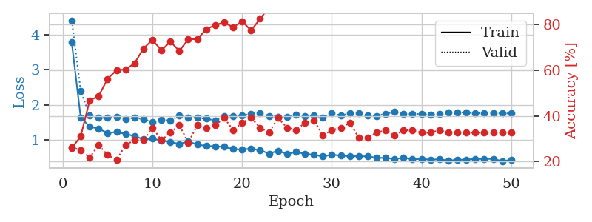
1.4214798886 | 1.992380987 | 0.29891304348 | 0.26086956522 | 0.086447954178 | 29.891304348 | 26.086956522
1.3478271624 | 1.9349675697 | 0.34510869565 | 0.28260869565 | 0.086704492569 | 34.510869565 | 28.260869565
1.2548328327 | 1.6982505684 | 0.51902173913 | 0.25 | 0.08659696579 | 51.902173913 | 25
1.1707983691 | 1.6415201529 | 0.59239130435 | 0.26086956522 | 0.086542606354 | 59.239130435 | 26.086956522
1.1473075644 | 1.620145238 | 0.58152173913 | 0.23913043478 | 0.086287736893 | 58.152173913 | 23.913043478
1.0941344577 | 1.6603268955 | 0.66576086957 | 0.26086956522 | 0.086468696594 | 66.576086957 | 26.086956522
1.0370578714 | 1.6856672608 | 0.61413043478 | 0.29347826087 | 0.086001634598 | 61.413043478 | 29.347826087
0.9940426557 | 1.6595625826 | 0.64130434783 | 0.28260869565 | 0.087309360504 | 64.130434783 | 28.260869565
0.90678620598 | 1.7785292916 | 0.54891304348 | 0.29347826087 | 0.088325738907 | 54.891304348 | 29.347826087
0.91884430336 | 1.7536258853 | 0.66847826087 | 0.29347826087 | 0.086220502853 | 66.847826087 | 29.347826087
0.8527141965 | 1.8091584807 | 0.64402173913 | 0.3152173913 | 0.087679624557 | 64.402173913 | 31.52173913
0.83830379403 | 1.7448864035 | 0.69293478261 | 0.32608695652 | 0.092048406601 | 69.293478261 | 32.608695652
0.77161348125 | 1.7996688356 | 0.72282608696 | 0.32608695652 | 0.086131334305 | 72.282608696 | 32.608695652
0.77334415653 | 1.7385178442 | 0.77717391304 | 0.33695652174 | 0.086760759354 | 77.717391304 | 33.695652174
0.75153970459 | 1.9056854715 | 0.68206521739 | 0.33695652174 | 0.096105575562 | 68.206521739 | 33.695652174
0.72327056657 | 1.7968226153 | 0.79619565217 | 0.3152173913 | 0.087618112564 | 79.619565217 | 31.52173913
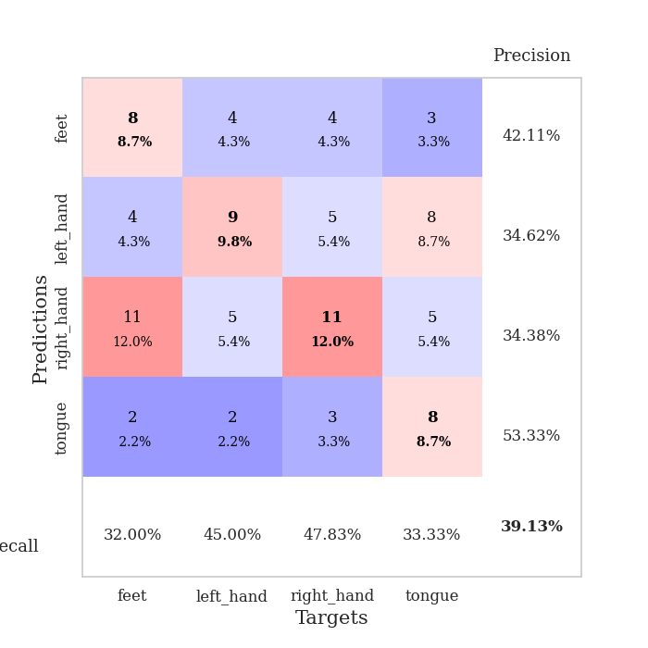
0.69849833328 | 1.7882605376 | 0.85326086957 | 0.3152173913 | 0.089238405228 | 85.326086957 | 31.52173913
0.65412260398 | 2.0437926054 | 0.65217391304 | 0.33695652174 | 0.087505340576 | 65.217391304 | 33.695652174
0.58395165464 | 1.9741319003 | 0.7472826087 | 0.34782608696 | 0.087905883789 | 74.72826087 | 34.782608696
0.65522505796 | 1.8334653067 | 0.86684782609 | 0.32608695652 | 0.086844921112 | 86.684782609 | 32.608695652
0.56846864198 | 2.0365474535 | 0.78532608696 | 0.30434782609 | 0.086887359619 | 78.532608696 | 30.434782609
0.60463384701 | 2.0327410128 | 0.76358695652 | 0.29347826087 | 0.086232423782 | 76.358695652 | 29.347826087
0.63309620256 | 1.95495125 | 0.76902173913 | 0.28260869565 | 0.086254358292 | 76.902173913 | 28.260869565
0.57840871033 | 2.221642971 | 0.6902173913 | 0.30434782609 | 0.087557554245 | 69.02173913 | 30.434782609
0.52607999936 | 2.0014221098 | 0.8097826087 | 0.32608695652 | 0.086072921753 | 80.97826087 | 32.608695652
0.54456782989 | 1.9930436041 | 0.85054347826 | 0.28260869565 | 0.086400747299 | 85.054347826 | 28.260869565
0.56154316081 | 2.1466231916 | 0.72826086957 | 0.29347826087 | 0.086400508881 | 72.826086957 | 29.347826087
0.54526327097 | 2.1858979671 | 0.76630434783 | 0.3152173913 | 0.086358308792 | 76.630434783 | 31.52173913
0.52341453148 | 1.9275379544 | 0.89402173913 | 0.32608695652 | 0.086158275604 | 89.402173913 | 32.608695652
0.48424407451 | 2.1427052177 | 0.78260869565 | 0.30434782609 | 0.086313009262 | 78.260869565 | 30.434782609
0.44827068953 | 2.0252097949 | 0.85326086957 | 0.29347826087 | 0.086713790894 | 85.326086957 | 29.347826087
0.50130924906 | 2.042412338 | 0.84239130435 | 0.3152173913 | 0.08605837822 | 84.239130435 | 31.52173913
0.48672990047 | 2.0619303506 | 0.82608695652 | 0.30434782609 | 0.086082935333 | 82.608695652 | 30.434782609
0.54257292786 | 1.9208886675 | 0.89402173913 | 0.30434782609 | 0.086403131485 | 89.402173913 | 30.434782609
0.40043392842 | 1.9332945865 | 0.89673913043 | 0.33695652174 | 0.086222887039 | 89.673913043 | 33.695652174
0.43907288235 | 1.9159020963 | 0.91847826087 | 0.3152173913 | 0.087761640549 | 91.847826087 | 31.52173913
0.4369684231 | 1.9159775195 | 0.9347826087 | 0.32608695652 | 0.085879087448 | 93.47826087 | 32.608695652
0.39214245198 | 2.0048118726 | 0.88586956522 | 0.3152173913 | 0.086370229721 | 88.586956522 | 31.52173913
0.4230170982 | 2.0178911945 | 0.8777173913 | 0.3152173913 | 0.087740182877 | 87.77173913 | 31.52173913
0.42936953902 | 2.0407991098 | 0.86684782609 | 0.30434782609 | 0.086520910263 | 86.684782609 | 30.434782609
0.40304428404 | 2.0606961406 | 0.85326086957 | 0.3152173913 | 0.086297988892 | 85.326086957 | 31.52173913
0.42256550491 | 2.0677975313 | 0.85054347826 | 0.3152173913 | 0.086370706558 | 85.054347826 | 31.52173913
0.44351314332 | 2.0609351189 | 0.86684782609 | 0.30434782609 | 0.086626052856 | 86.684782609 | 30.434782609
0.41205965436 | 2.0569572812 | 0.86956521739 | 0.30434782609 | 0.086426019669 | 86.956521739 | 30.434782609
0.42401353043 | 2.0523848793 | 0.8722826087 | 0.29347826087 | 0.086060523987 | 87.22826087 | 29.347826087
0.38548791214 | 2.0461567329 | 0.8777173913 | 0.29347826087 | 0.086264371872 | 87.77173913 | 29.347826087
0.38305967657 | 2.0402762734 | 0.88315217391 | 0.29347826087 | 0.08612203598 | 88.315217391 | 29.347826087
0.39231120374 | 2.0375044398 | 0.88586956522 | 0.29347826087 | 0.086491584778 | 88.586956522 | 29.347826087

Best Val accuracy is 0.34782608695652173 and Best test accuracy is 0.39655172413793105

Sheet5
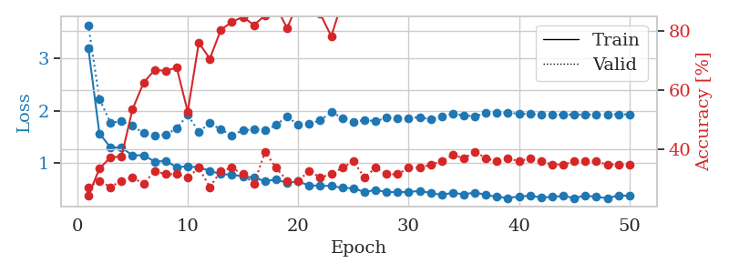
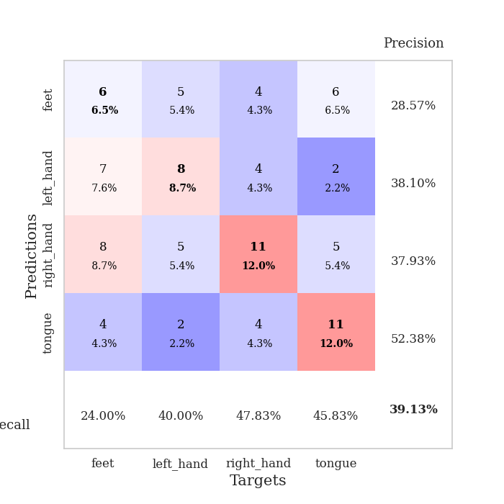
train_loss | valid_loss | train_accuracy | valid_accuracy | dur | train_misclass | valid_misclass
3.894115619 | 2.054687614 | 0.30163043478 | 0.22826086957 | 0.083512544632 | 30.163043478 | 22.826086957
1.5449154895 | 2.4045701234 | 0.28804347826 | 0.26086956522 | 0.080721378326 | 28.804347826 | 26.086956522
1.2750840498 | 1.8930948506 | 0.44565217391 | 0.27173913043 | 0.080874204636 | 44.565217391 | 27.173913043
1.1915886998 | 1.7328329708 | 0.57880434783 | 0.19565217391 | 0.080793619156 | 57.880434783 | 19.565217391
1.0974609411 | 1.6343215186 | 0.6222826087 | 0.28260869565 | 0.080603122711 | 62.22826087 | 28.260869565
1.0816915942 | 1.5540873279 | 0.69565217391 | 0.27173913043 | 0.080623865128 | 69.565217391 | 27.173913043
1.0521967748 | 1.6929860582 | 0.73641304348 | 0.29347826087 | 0.080520629883 | 73.641304348 | 29.347826087
1.0003767247 | 1.6586680671 | 0.6902173913 | 0.32608695652 | 0.080845355988 | 69.02173913 | 32.608695652
0.93411193205 | 1.7153354469 | 0.7527173913 | 0.28260869565 | 0.080865621567 | 75.27173913 | 28.260869565
0.93549510966 | 1.6483107805 | 0.70652173913 | 0.28260869565 | 0.080585241318 | 70.652173913 | 28.260869565
0.99950891474 | 1.7485876083 | 0.65760869565 | 0.28260869565 | 0.08061671257 | 65.760869565 | 28.260869565
0.89417582232 | 1.5509837192 | 0.76630434783 | 0.3152173913 | 0.080503463745 | 76.630434783 | 31.52173913
0.85733840777 | 1.5902013779 | 0.77717391304 | 0.30434782609 | 0.080593347549 | 77.717391304 | 30.434782609
0.75511504904 | 1.5696032617 | 0.80706521739 | 0.34782608696 | 0.080494642258 | 80.706521739 | 34.782608696
0.74386075916 | 1.5187323404 | 0.85869565217 | 0.35869565217 | 0.080791473389 | 85.869565217 | 35.869565217
0.71369311084 | 1.7311611176 | 0.8097826087 | 0.30434782609 | 0.080842256546 | 80.97826087 | 30.434782609
0.79108095817 | 1.5479609863 | 0.88586956522 | 0.30434782609 | 0.080584049225 | 88.586956522 | 30.434782609
0.62965838158 | 1.6202539568 | 0.85054347826 | 0.35869565217 | 0.080721378326 | 85.054347826 | 35.869565217
0.62588629645 | 1.6037101694 | 0.85054347826 | 0.3152173913 | 0.080694437027 | 85.054347826 | 31.52173913
0.7065909479 | 1.5267172948 | 0.92119565217 | 0.32608695652 | 0.080505847931 | 92.119565217 | 32.608695652
0.63921875928 | 1.8481935055 | 0.79619565217 | 0.29347826087 | 0.080475330353 | 79.619565217 | 29.347826087
0.60656601968 | 1.5803893286 | 0.91847826087 | 0.34782608696 | 0.081537246704 | 91.847826087 | 34.782608696
0.55062923937 | 1.6444738792 | 0.92391304348 | 0.29347826087 | 0.084149122238 | 92.391304348 | 29.347826087
0.63695924567 | 1.6009634422 | 0.93206521739 | 0.40217391304 | 0.080713510513 | 93.206521739 | 40.217391304
0.53684142685 | 1.5618442452 | 0.95923913043 | 0.32608695652 | 0.084632396698 | 95.923913043 | 32.608695652
0.58194342061 | 1.5298919315 | 0.95652173913 | 0.35869565217 | 0.081614494324 | 95.652173913 | 35.869565217
0.52320137879 | 1.5840987693 | 0.95380434783 | 0.33695652174 | 0.08148765564 | 95.380434783 | 33.695652174
0.51074302974 | 1.6303473607 | 0.9375 | 0.3152173913 | 0.081658124924 | 93.75 | 31.52173913
0.45033299405 | 1.648087372 | 0.9375 | 0.34782608696 | 0.081419467926 | 93.75 | 34.782608696
0.45972462387 | 1.6131398056 | 0.96467391304 | 0.35869565217 | 0.081468105316 | 96.467391304 | 35.869565217
0.43357206428 | 1.5845640639 | 0.97282608696 | 0.38043478261 | 0.081377506256 | 97.282608696 | 38.043478261
0.41269769552 | 1.6707111856 | 0.92934782609 | 0.38043478261 | 0.081502199173 | 92.934782609 | 38.043478261
0.45402979397 | 1.6728346607 | 0.95380434783 | 0.34782608696 | 0.081432580948 | 95.380434783 | 34.782608696
0.40182230784 | 1.676759922 | 0.97826086957 | 0.35869565217 | 0.081750631332 | 97.826086957 | 35.869565217
0.43959746672 | 1.6451510761 | 0.98369565217 | 0.34782608696 | 0.081409454346 | 98.369565217 | 34.782608696
0.37406388929 | 1.6673377856 | 0.97554347826 | 0.34782608696 | 0.081315040588 | 97.554347826 | 34.782608696
0.40538683566 | 1.7158195454 | 0.95652173913 | 0.35869565217 | 0.081377506256 | 95.652173913 | 35.869565217
0.3955676452 | 1.7262468597 | 0.96195652174 | 0.36956521739 | 0.081533193588 | 96.195652174 | 36.956521739
0.40732488943 | 1.6792375679 | 0.97554347826 | 0.38043478261 | 0.081378698349 | 97.554347826 | 38.043478261
0.35095220286 | 1.6364314608 | 0.98097826087 | 0.36956521739 | 0.081086397171 | 98.097826087 | 36.956521739
0.41333874283 | 1.6819133292 | 0.98097826087 | 0.35869565217 | 0.081483840942 | 98.097826087 | 35.869565217
0.38261258797 | 1.7133026279 | 0.97554347826 | 0.38043478261 | 0.081577777863 | 97.554347826 | 38.043478261
0.3833762647 | 1.7123962226 | 0.97554347826 | 0.36956521739 | 0.082009553909 | 97.554347826 | 36.956521739
0.37585932535 | 1.7163896353 | 0.97554347826 | 0.38043478261 | 0.081680059433 | 97.554347826 | 38.043478261
0.3533837115 | 1.7210992108 | 0.97554347826 | 0.38043478261 | 0.083444833755 | 97.554347826 | 38.043478261
0.3265074566 | 1.7252521567 | 0.97554347826 | 0.38043478261 | 0.085819005966 | 97.554347826 | 38.043478261
0.33357919623 | 1.7162719809 | 0.97554347826 | 0.38043478261 | 0.082198619843 | 97.554347826 | 38.043478261
0.30428671027 | 1.7129122693 | 0.97826086957 | 0.38043478261 | 0.082111597061 | 97.826086957 | 38.043478261
0.29179447565 | 1.7119186857 | 0.98097826087 | 0.38043478261 | 0.081783771515 | 98.097826087 | 38.043478261
0.36538527388 | 1.7117524354 | 0.98097826087 | 0.38043478261 | 0.081731081009 | 98.097826087 | 38.043478261

Best Val accuracy is 0.40217391304347827 and Best test accuracy is 0.27586206896551724
train_loss | valid_loss | train_accuracy | valid_accuracy | dur | train_misclass | valid_misclass
3.1988695445 | 3.6394331766 | 0.24184782609 | 0.27173913043 | 0.091032743454 | 24.184782609 | 27.173913043
1.5665406611 | 2.2277874428 | 0.33423913043 | 0.29347826087 | 0.088769435883 | 33.423913043 | 29.347826087
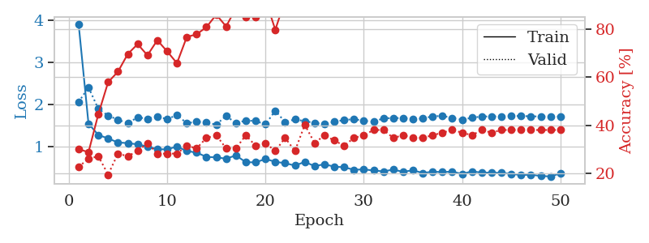
1.2971797197 | 1.7677283287 | 0.3722826087 | 0.27173913043 | 0.086833000183 | 37.22826087 | 27.173913043
1.2957744261 | 1.7973493856 | 0.375 | 0.29347826087 | 0.086106300354 | 37.5 | 29.347826087
1.1426140796 | 1.712396119 | 0.53532608696 | 0.30434782609 | 0.087726831436 | 53.532608696 | 30.434782609
1.1477198756 | 1.5688444013 | 0.625 | 0.28260869565 | 0.085791826248 | 62.5 | 28.260869565
1.0249499834 | 1.5215874029 | 0.66847826087 | 0.32608695652 | 0.085682868958 | 66.847826087 | 32.608695652
1.0376938141 | 1.5380117997 | 0.66576086957 | 0.3152173913 | 0.086139202118 | 66.576086957 | 31.52173913
0.91885331144 | 1.6613022555 | 0.67663043478 | 0.3152173913 | 0.086078166962 | 67.663043478 | 31.52173913
0.93491827923 | 1.9193442334 | 0.52717391304 | 0.30434782609 | 0.085916280746 | 52.717391304 | 30.434782609
0.91366876208 | 1.5932657356 | 0.76086956522 | 0.33695652174 | 0.085927009583 | 76.086956522 | 33.695652174
0.84950360008 | 1.7632871763 | 0.70652173913 | 0.27173913043 | 0.086542367935 | 70.652173913 | 27.173913043
0.78568779126 | 1.638675415 | 0.80434782609 | 0.32608695652 | 0.086242675781 | 80.434782609 | 32.608695652
0.77536384437 | 1.5251369632 | 0.83152173913 | 0.33695652174 | 0.089382648468 | 83.152173913 | 33.695652174
0.74155250062 | 1.6265299061 | 0.84782608696 | 0.3152173913 | 0.086270570755 | 84.782608696 | 31.52173913
0.71744633628 | 1.6410961825 | 0.82065217391 | 0.28260869565 | 0.085862398148 | 82.065217391 | 28.260869565
0.65101460141 | 1.619295426 | 0.85326086957 | 0.39130434783 | 0.086223602295 | 85.326086957 | 39.130434783
0.6812944166 | 1.7266823364 | 0.88315217391 | 0.33695652174 | 0.086292743683 | 88.315217391 | 33.695652174
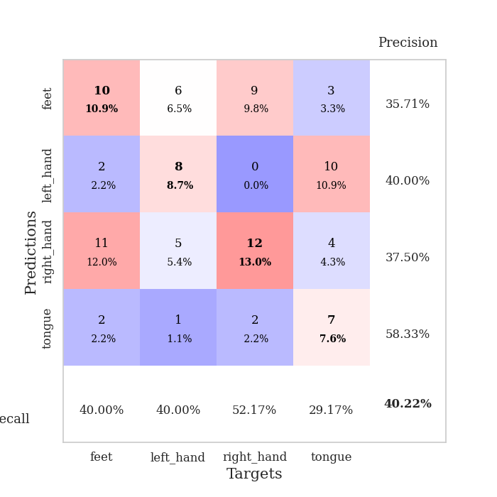
0.61743981553 | 1.8900690079 | 0.8097826087 | 0.29347826087 | 0.089606761932 | 80.97826087 | 29.347826087
0.64426566725 | 1.7250048181 | 0.89945652174 | 0.29347826087 | 0.086072444916 | 89.945652174 | 29.347826087
0.5679363712 | 1.7518687611 | 0.86684782609 | 0.32608695652 | 0.08580994606 | 86.684782609 | 32.608695652
0.56538409124 | 1.8132466492 | 0.85869565217 | 0.30434782609 | 0.085687398911 | 85.869565217 | 30.434782609
0.55856875622 | 1.9748305082 | 0.78260869565 | 0.3152173913 | 0.085724592209 | 78.260869565 | 31.52173913
0.52195843018 | 1.8627215624 | 0.90217391304 | 0.33695652174 | 0.088104724884 | 90.217391304 | 33.695652174
0.51430042542 | 1.7798034782 | 0.94565217391 | 0.35869565217 | 0.089671373367 | 94.565217391 | 35.869565217
0.44415244978 | 1.8218901106 | 0.93206521739 | 0.30434782609 | 0.086305379868 | 93.206521739 | 30.434782609
0.48206063068 | 1.7993859364 | 0.94565217391 | 0.33695652174 | 0.086046218872 | 94.565217391 | 33.695652174
0.44328139398 | 1.8639442351 | 0.95652173913 | 0.3152173913 | 0.086393117905 | 95.652173913 | 31.52173913
0.43930320507 | 1.8532047635 | 0.97010869565 | 0.3152173913 | 0.085951805115 | 97.010869565 | 31.52173913
0.44640182023 | 1.8552656329 | 0.95380434783 | 0.33695652174 | 0.085894823074 | 95.380434783 | 33.695652174
0.46367734606 | 1.8788671131 | 0.9375 | 0.33695652174 | 0.086176156998 | 93.75 | 33.695652174
0.42562448331 | 1.8299524266 | 0.97010869565 | 0.34782608696 | 0.086030244827 | 97.010869565 | 34.782608696
0.38613757135 | 1.8956025321 | 0.94293478261 | 0.35869565217 | 0.086169719696 | 94.293478261 | 35.869565217
0.43074489417 | 1.9447301626 | 0.90489130435 | 0.38043478261 | 0.086229085922 | 90.489130435 | 38.043478261
0.39751848125 | 1.9091736545 | 0.94565217391 | 0.36956521739 | 0.086002349854 | 94.565217391 | 36.956521739
0.43384144293 | 1.8951355478 | 0.95652173913 | 0.39130434783 | 0.086022615433 | 95.652173913 | 39.130434783
0.38995460194 | 1.9509801191 | 0.92391304348 | 0.36956521739 | 0.085952997208 | 92.391304348 | 36.956521739
0.3493200236 | 1.9546191122 | 0.94565217391 | 0.35869565217 | 0.086407661438 | 94.565217391 | 35.869565217
0.32975027095 | 1.9544637877 | 0.95923913043 | 0.36956521739 | 0.086006641388 | 95.923913043 | 36.956521739
0.35791071342 | 1.9452579747 | 0.97282608696 | 0.35869565217 | 0.086311340332 | 97.282608696 | 35.869565217
0.37052017969 | 1.9356468087 | 0.97826086957 | 0.36956521739 | 0.086001157761 | 97.826086957 | 36.956521739
0.33944244877 | 1.9309022738 | 0.97282608696 | 0.35869565217 | 0.086017131805 | 97.282608696 | 35.869565217
0.34835243419 | 1.9227975503 | 0.97826086957 | 0.34782608696 | 0.08608174324 | 97.826086957 | 34.782608696
0.36879737286 | 1.9237793373 | 0.97554347826 | 0.34782608696 | 0.086209774017 | 97.554347826 | 34.782608696
0.3275431725 | 1.927311296 | 0.97826086957 | 0.35869565217 | 0.087170124054 | 97.826086957 | 35.869565217
0.37579853898 | 1.9261476683 | 0.98097826087 | 0.35869565217 | 0.086573600769 | 98.097826087 | 35.869565217
0.34833705555 | 1.9293610739 | 0.98097826087 | 0.35869565217 | 0.08590388298 | 98.097826087 | 35.869565217
0.3256658591 | 1.9306376084 | 0.98097826087 | 0.34782608696 | 0.086006641388 | 98.097826087 | 34.782608696
0.37691910565 | 1.9314372799 | 0.98097826087 | 0.34782608696 | 0.090764045715 | 98.097826087 | 34.782608696
0.37128187716 | 1.9304557883 | 0.98097826087 | 0.34782608696 | 0.098725795746 | 98.097826087 | 34.782608696

Best Val accuracy is 0.391304347826087 and Best test accuracy is 0.3103448275862069

Sheet6
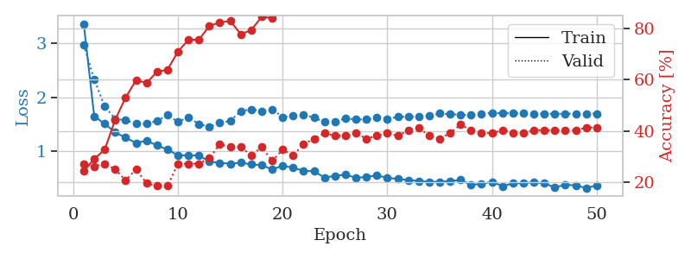
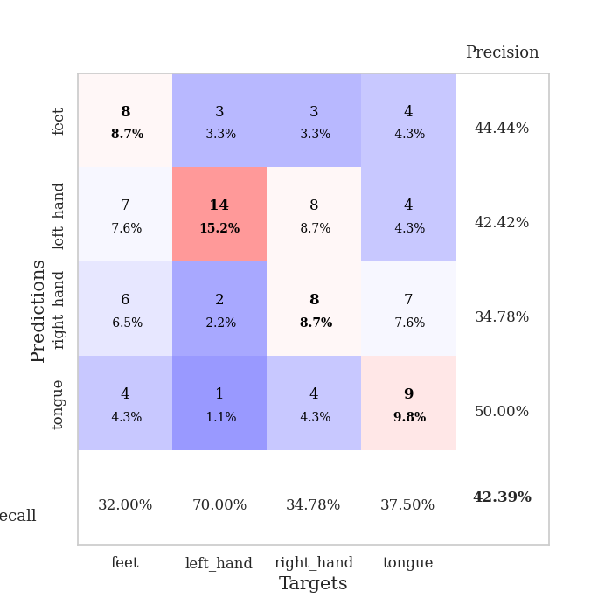
train_loss | valid_loss | train_accuracy | valid_accuracy | dur | train_misclass | valid_misclass
2.8972883017 | 5.7451926522 | 0.25543478261 | 0.21739130435 | 0.083491802216 | 25.543478261 | 21.739130435
1.6406644064 | 2.7118599311 | 0.28804347826 | 0.21739130435 | 0.08155632019 | 28.804347826 | 21.739130435
1.4262517535 | 1.8414449018 | 0.35326086957 | 0.21739130435 | 0.081400871277 | 35.326086957 | 21.739130435
1.3573691482 | 1.664798296 | 0.48097826087 | 0.1847826087 | 0.08163356781 | 48.097826087 | 18.47826087
1.2926821657 | 1.7098748839 | 0.47010869565 | 0.21739130435 | 0.083685398102 | 47.010869565 | 21.739130435
1.2651184409 | 1.8069669734 | 0.5625 | 0.23913043478 | 0.080344200134 | 56.25 | 23.913043478
1.1700380989 | 1.7856609769 | 0.60597826087 | 0.23913043478 | 0.080725669861 | 60.597826087 | 23.913043478
1.1338569081 | 1.7944933487 | 0.57880434783 | 0.26086956522 | 0.080619096756 | 57.880434783 | 26.086956522
1.0561793498 | 1.652745392 | 0.66304347826 | 0.26086956522 | 0.080716848373 | 66.304347826 | 26.086956522
1.0234248042 | 1.7355835749 | 0.64673913043 | 0.22826086957 | 0.083909273148 | 64.673913043 | 22.826086957
0.9485635291 | 1.6981274201 | 0.67663043478 | 0.29347826087 | 0.0814473629 | 67.663043478 | 29.347826087
0.93440505214 | 1.7025659343 | 0.68206521739 | 0.30434782609 | 0.081040382385 | 68.206521739 | 30.434782609
0.92364919445 | 1.7674277088 | 0.75 | 0.33695652174 | 0.081029653549 | 75 | 33.695652174
0.88965271089 | 1.7132940241 | 0.80706521739 | 0.38043478261 | 0.081178188324 | 80.706521739 | 38.043478261
0.81708518059 | 1.7444246385 | 0.79619565217 | 0.34782608696 | 0.081347465515 | 79.619565217 | 34.782608696
0.76932761462 | 1.8198683728 | 0.80163043478 | 0.34782608696 | 0.081111431122 | 80.163043478 | 34.782608696
0.75543397535 | 1.873148234 | 0.82065217391 | 0.32608695652 | 0.081195354462 | 82.065217391 | 32.608695652
0.78994323248 | 1.8758533105 | 0.80163043478 | 0.34782608696 | 0.081072568893 | 80.163043478 | 34.782608696
0.79251464165 | 1.7930029838 | 0.88858695652 | 0.32608695652 | 0.08109498024 | 88.858695652 | 32.608695652
0.65388713971 | 1.8445811323 | 0.90489130435 | 0.32608695652 | 0.081137895584 | 90.489130435 | 32.608695652
0.7043873577 | 1.9103526965 | 0.91032608696 | 0.3152173913 | 0.080993413925 | 91.032608696 | 31.52173913
0.66526950831 | 1.9874451679 | 0.92119565217 | 0.26086956522 | 0.080765724182 | 92.119565217 | 26.086956522
0.6460441325 | 1.9239957695 | 0.89402173913 | 0.32608695652 | 0.080924034119 | 89.402173913 | 32.608695652
0.71858427965 | 1.8140726867 | 0.9375 | 0.38043478261 | 0.08086514473 | 93.75 | 38.043478261
0.56880886788 | 1.827692488 | 0.93206521739 | 0.32608695652 | 0.081217765808 | 93.206521739 | 32.608695652
0.57893537957 | 1.9628774809 | 0.9375 | 0.33695652174 | 0.081092357635 | 93.75 | 33.695652174
0.62079392698 | 1.8806114611 | 0.9402173913 | 0.3152173913 | 0.081135511398 | 94.02173913 | 31.52173913
0.58825051785 | 1.9153777827 | 0.95923913043 | 0.33695652174 | 0.080937623978 | 95.923913043 | 33.695652174
0.58776062857 | 1.8403354261 | 0.94293478261 | 0.36956521739 | 0.081143379211 | 94.293478261 | 36.956521739
0.48287664937 | 1.821395024 | 0.9402173913 | 0.3152173913 | 0.080976963043 | 94.02173913 | 31.52173913
0.51448163196 | 1.8902818587 | 0.96195652174 | 0.38043478261 | 0.081144571304 | 96.195652174 | 38.043478261
0.51974939263 | 1.9101121788 | 0.95652173913 | 0.35869565217 | 0.081176519394 | 95.652173913 | 35.869565217
0.47536513792 | 1.936293545 | 0.97554347826 | 0.33695652174 | 0.080999135971 | 97.554347826 | 33.695652174
0.51714933048 | 1.9783501418 | 0.98097826087 | 0.33695652174 | 0.080923557281 | 98.097826087 | 33.695652174
0.52116508717 | 1.971149372 | 0.98369565217 | 0.33695652174 | 0.080847024918 | 98.369565217 | 33.695652174
0.44854988676 | 1.978335847 | 0.98097826087 | 0.35869565217 | 0.081160068512 | 98.097826087 | 35.869565217
0.42151630443 | 1.9601165108 | 0.97826086957 | 0.36956521739 | 0.081182718277 | 97.826086957 | 36.956521739
0.45258474544 | 2.0013524242 | 0.98097826087 | 0.32608695652 | 0.085740566254 | 98.097826087 | 32.608695652
0.42171452356 | 1.9693860178 | 0.98369565217 | 0.35869565217 | 0.08283829689 | 98.369565217 | 35.869565217
0.43627278572 | 1.9585150117 | 0.98369565217 | 0.33695652174 | 0.082046985626 | 98.369565217 | 33.695652174
0.48247267371 | 1.9731661859 | 0.98369565217 | 0.33695652174 | 0.081786155701 | 98.369565217 | 33.695652174
0.43599118228 | 1.9998826721 | 0.99184782609 | 0.33695652174 | 0.081701993942 | 99.184782609 | 33.695652174
0.44869060426 | 2.0126974686 | 0.99456521739 | 0.33695652174 | 0.081847429276 | 99.456521739 | 33.695652174
0.39945737888 | 2.0111808259 | 0.99184782609 | 0.33695652174 | 0.081753492355 | 99.184782609 | 33.695652174
0.42573451607 | 2.0135110876 | 0.99184782609 | 0.33695652174 | 0.081872224808 | 99.184782609 | 33.695652174
0.42154851945 | 2.0178050166 | 0.99184782609 | 0.32608695652 | 0.08194065094 | 99.184782609 | 32.608695652
0.46021585102 | 2.0252164343 | 0.99184782609 | 0.32608695652 | 0.081826448441 | 99.184782609 | 32.608695652
0.39419149705 | 2.0284748181 | 0.99456521739 | 0.32608695652 | 0.081756830215 | 99.456521739 | 32.608695652
0.43003713566 | 2.0320274623 | 0.99456521739 | 0.32608695652 | 0.08162856102 | 99.456521739 | 32.608695652
0.45368062932 | 2.0346074519 | 0.99456521739 | 0.32608695652 | 0.081884384155 | 99.456521739 | 32.608695652

Best Val accuracy is 0.3804347826086957 and Best test accuracy is 0.3275862068965517
train_loss | valid_loss | train_accuracy | valid_accuracy | dur | train_misclass | valid_misclass
3.3541663315 | 2.9649916213 | 0.24184782609 | 0.27173913043 | 0.092134475708 | 24.184782609 | 27.173913043
1.6485317272 | 2.3304573868 | 0.29076086957 | 0.26086956522 | 0.087864875793 | 29.076086957 | 26.086956522
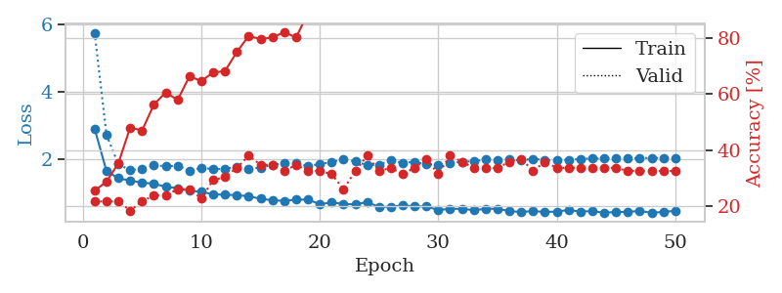
1.5098967345 | 1.830557222 | 0.32608695652 | 0.27173913043 | 0.085958480835 | 32.608695652 | 27.173913043
1.3535995794 | 1.6040559852 | 0.44293478261 | 0.25 | 0.086315870285 | 44.293478261 | 25
1.2542405906 | 1.5761061596 | 0.52989130435 | 0.20652173913 | 0.085845470428 | 52.989130435 | 20.652173913
1.1576903773 | 1.5138456251 | 0.59782608696 | 0.25 | 0.085339546204 | 59.782608696 | 25
1.1989011505 | 1.5098936454 | 0.58695652174 | 0.19565217391 | 0.087834119797 | 58.695652174 | 19.565217391
1.1114368931 | 1.5641938863 | 0.63043478261 | 0.1847826087 | 0.085942029953 | 63.043478261 | 18.47826087
1.0379499327 | 1.6681230172 | 0.63858695652 | 0.1847826087 | 0.085754871368 | 63.858695652 | 18.47826087
0.929444878 | 1.5476976011 | 0.70923913043 | 0.27173913043 | 0.091977357864 | 70.923913043 | 27.173913043
0.92879500337 | 1.6323836524 | 0.75543478261 | 0.27173913043 | 0.086455345154 | 75.543478261 | 27.173913043
0.92579638958 | 1.5039631958 | 0.75543478261 | 0.27173913043 | 0.088651895523 | 75.543478261 | 27.173913043
0.81529724598 | 1.4564003737 | 0.8097826087 | 0.29347826087 | 0.086366176605 | 80.97826087 | 29.347826087
0.79154183035 | 1.526485184 | 0.82336956522 | 0.34782608696 | 0.085644245148 | 82.336956522 | 34.782608696
0.77469649522 | 1.5643750533 | 0.82880434783 | 0.33695652174 | 0.086061954498 | 82.880434783 | 33.695652174
0.7943452506 | 1.743118312 | 0.77717391304 | 0.33695652174 | 0.085315465927 | 77.717391304 | 33.695652174
0.76186059221 | 1.7764222311 | 0.79347826087 | 0.30434782609 | 0.086106777191 | 79.347826087 | 30.434782609
0.7476927651 | 1.746689926 | 0.84510869565 | 0.33695652174 | 0.085801839828 | 84.510869565 | 33.695652174
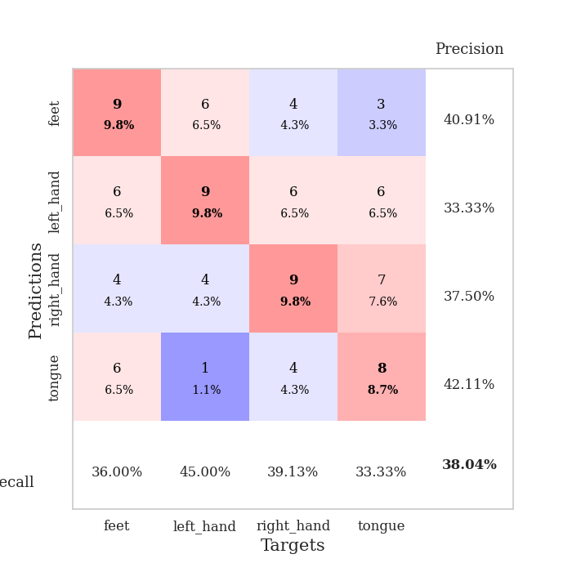
0.66859866484 | 1.777060374 | 0.83967391304 | 0.28260869565 | 0.086228132248 | 83.967391304 | 28.260869565
0.73993855844 | 1.6353820355 | 0.86956521739 | 0.32608695652 | 0.08558678627 | 86.956521739 | 32.608695652
0.6986319345 | 1.6600267421 | 0.88043478261 | 0.30434782609 | 0.085552930832 | 88.043478261 | 30.434782609
0.64588645748 | 1.6795257485 | 0.875 | 0.34782608696 | 0.08562040329 | 87.5 | 34.782608696
0.63487465744 | 1.6220038715 | 0.90217391304 | 0.36956521739 | 0.088384628296 | 90.217391304 | 36.956521739
0.51878287092 | 1.546593267 | 0.92934782609 | 0.39130434783 | 0.089138269424 | 92.934782609 | 39.130434783
0.5521786051 | 1.5460917224 | 0.9402173913 | 0.38043478261 | 0.085689067841 | 94.02173913 | 38.043478261
0.57135636133 | 1.6103820542 | 0.93206521739 | 0.38043478261 | 0.085681200027 | 93.206521739 | 38.043478261
0.51713137523 | 1.5905218124 | 0.91576086957 | 0.39130434783 | 0.085587263107 | 91.576086957 | 39.130434783
0.52954401659 | 1.5897761428 | 0.92391304348 | 0.36956521739 | 0.088184833527 | 92.391304348 | 36.956521739
0.56212417457 | 1.6235345395 | 0.92934782609 | 0.38043478261 | 0.085962295532 | 92.934782609 | 38.043478261
0.51308483274 | 1.5989891913 | 0.98097826087 | 0.39130434783 | 0.085797309875 | 98.097826087 | 39.130434783
0.49498282308 | 1.6382639564 | 0.96467391304 | 0.38043478261 | 0.085826158524 | 96.467391304 | 38.043478261
0.47393710976 | 1.6404671099 | 0.95652173913 | 0.40217391304 | 0.085853099823 | 95.652173913 | 40.217391304
0.45743915957 | 1.6383262562 | 0.97826086957 | 0.41304347826 | 0.089668273926 | 97.826086957 | 41.304347826
0.44215219112 | 1.6601281218 | 0.96195652174 | 0.38043478261 | 0.088428735733 | 96.195652174 | 38.043478261
0.44138443988 | 1.7000570245 | 0.94836956522 | 0.36956521739 | 0.085648298264 | 94.836956522 | 36.956521739
0.45514961559 | 1.6883476921 | 0.95652173913 | 0.39130434783 | 0.085194349289 | 95.652173913 | 39.130434783
0.47632446108 | 1.676915941 | 0.96195652174 | 0.42391304348 | 0.085608482361 | 96.195652174 | 42.391304348
0.384663749 | 1.6693499607 | 0.96195652174 | 0.40217391304 | 0.088698148727 | 96.195652174 | 40.217391304
0.40265060508 | 1.6963992274 | 0.95652173913 | 0.39130434783 | 0.086480617523 | 95.652173913 | 39.130434783
0.44229568476 | 1.708665117 | 0.95652173913 | 0.39130434783 | 0.090223789215 | 95.652173913 | 39.130434783
0.36237854543 | 1.7073449726 | 0.96195652174 | 0.40217391304 | 0.090612411499 | 96.195652174 | 40.217391304
0.41210762444 | 1.7039556762 | 0.96739130435 | 0.39130434783 | 0.085970878601 | 96.739130435 | 39.130434783
0.41617496441 | 1.7018063379 | 0.97010869565 | 0.39130434783 | 0.08585858345 | 97.010869565 | 39.130434783
0.43262358269 | 1.6990043858 | 0.97010869565 | 0.40217391304 | 0.088121891022 | 97.010869565 | 40.217391304
0.41142613506 | 1.6965378005 | 0.97282608696 | 0.40217391304 | 0.085047483444 | 97.282608696 | 40.217391304
0.33936464333 | 1.6946017379 | 0.97282608696 | 0.40217391304 | 0.085056066513 | 97.282608696 | 40.217391304
0.3851456992 | 1.696665598 | 0.97554347826 | 0.40217391304 | 0.085824489594 | 97.554347826 | 40.217391304
0.37520320649 | 1.6983480298 | 0.97554347826 | 0.40217391304 | 0.085394144058 | 97.554347826 | 40.217391304
0.32737188851 | 1.6993293555 | 0.97554347826 | 0.41304347826 | 0.088323354721 | 97.554347826 | 41.304347826
0.37606069446 | 1.6989594283 | 0.97826086957 | 0.41304347826 | 0.085997104645 | 97.826086957 | 41.304347826

Best Val accuracy is 0.42391304347826086 and Best test accuracy is 0.3706896551724138

Sheet7
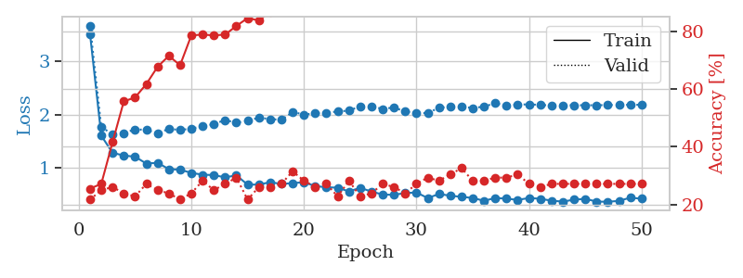
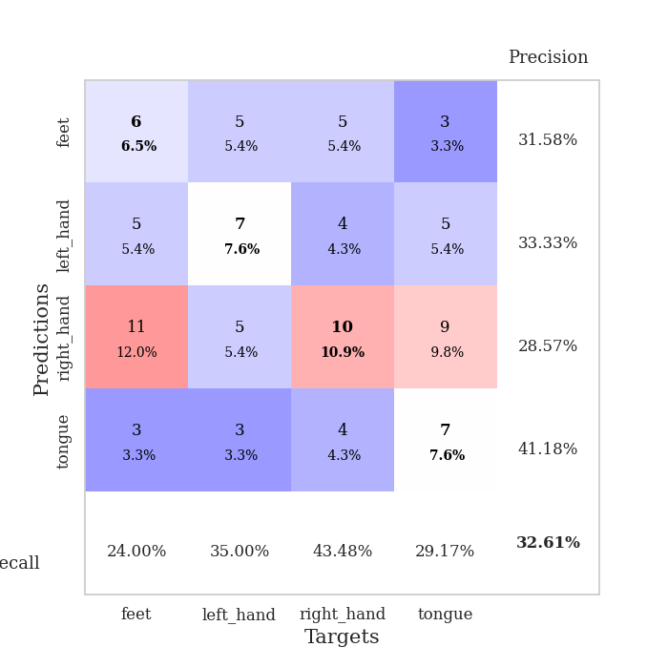
train_loss | valid_loss | train_accuracy | valid_accuracy | dur | train_misclass | valid_misclass
3.6249408618 | 4.3182978423 | 0.25 | 0.21739130435 | 0.090178489685 | 25 | 21.739130435
1.6505311572 | 2.2246718614 | 0.28532608696 | 0.25 | 0.087346315384 | 28.532608696 | 25
1.3887461165 | 1.5597004217 | 0.42119565217 | 0.23913043478 | 0.08139705658 | 42.119565217 | 23.913043478
1.3744437539 | 1.8381821073 | 0.4402173913 | 0.25 | 0.080818891525 | 44.02173913 | 25
1.2148517707 | 1.7197346065 | 0.57880434783 | 0.21739130435 | 0.080873966217 | 57.880434783 | 21.739130435
1.1816158709 | 1.6718459388 | 0.63043478261 | 0.19565217391 | 0.0812458992 | 63.043478261 | 19.565217391
1.0709238726 | 1.7727215549 | 0.6277173913 | 0.1847826087 | 0.080903768539 | 62.77173913 | 18.47826087
1.0697714013 | 1.7907427912 | 0.61956521739 | 0.25 | 0.081149101257 | 61.956521739 | 25
0.9752805544 | 1.8154422719 | 0.6902173913 | 0.27173913043 | 0.081238985062 | 69.02173913 | 27.173913043
0.94058949014 | 1.8750071318 | 0.72826086957 | 0.27173913043 | 0.081379413605 | 72.826086957 | 27.173913043
0.8774188446 | 1.9454254171 | 0.76902173913 | 0.26086956522 | 0.083928585052 | 76.902173913 | 26.086956522
0.87028458585 | 1.8052136172 | 0.75815217391 | 0.28260869565 | 0.081737518311 | 75.815217391 | 28.260869565
0.8218124146 | 2.0025942429 | 0.77989130435 | 0.27173913043 | 0.083791017532 | 77.989130435 | 27.173913043
0.81986038063 | 1.8965942341 | 0.77717391304 | 0.28260869565 | 0.081556081772 | 77.717391304 | 28.260869565
0.7661032586 | 1.9182856135 | 0.81793478261 | 0.3152173913 | 0.081071138382 | 81.793478261 | 31.52173913
0.69329161488 | 2.1821720652 | 0.7527173913 | 0.30434782609 | 0.081206798553 | 75.27173913 | 30.434782609
0.73504012823 | 1.8602113983 | 0.86413043478 | 0.32608695652 | 0.081215858459 | 86.413043478 | 32.608695652
0.75055535591 | 2.0669195963 | 0.80163043478 | 0.34782608696 | 0.081463098526 | 80.163043478 | 34.782608696
0.70632855918 | 1.8911326191 | 0.90217391304 | 0.32608695652 | 0.081650018692 | 90.217391304 | 32.608695652
0.70975791242 | 1.8977732192 | 0.90489130435 | 0.3152173913 | 0.081301927567 | 90.489130435 | 31.52173913
0.62197670988 | 1.9482969979 | 0.88586956522 | 0.32608695652 | 0.081641197205 | 88.586956522 | 32.608695652
0.62328395507 | 2.0338870494 | 0.88315217391 | 0.34782608696 | 0.081228017807 | 88.315217391 | 34.782608696
0.59474150772 | 1.9212905065 | 0.8722826087 | 0.3152173913 | 0.081225395203 | 87.22826087 | 31.52173913
0.54171886133 | 1.9890045031 | 0.92119565217 | 0.34782608696 | 0.081183671951 | 92.119565217 | 34.782608696
0.52742416962 | 2.0297478178 | 0.9347826087 | 0.35869565217 | 0.081213235855 | 93.47826087 | 35.869565217
0.56805112699 | 2.1859442721 | 0.92119565217 | 0.33695652174 | 0.081414937973 | 92.119565217 | 33.695652174
0.50782482261 | 2.1447706171 | 0.9375 | 0.32608695652 | 0.081247091293 | 93.75 | 32.608695652
0.45937812976 | 1.9740203567 | 0.94836956522 | 0.34782608696 | 0.081323623657 | 94.836956522 | 34.782608696
0.52369519161 | 1.9584240706 | 0.95108695652 | 0.35869565217 | 0.081074714661 | 95.108695652 | 35.869565217
0.49657302965 | 1.9765925407 | 0.95380434783 | 0.35869565217 | 0.081186532974 | 95.380434783 | 35.869565217
0.49035587259 | 1.986921979 | 0.96195652174 | 0.36956521739 | 0.081136465073 | 96.195652174 | 36.956521739
0.48569176119 | 1.9661025327 | 0.94836956522 | 0.36956521739 | 0.081574678421 | 94.836956522 | 36.956521739
0.50113355271 | 2.0007008262 | 0.95923913043 | 0.35869565217 | 0.081117153168 | 95.923913043 | 35.869565217
0.44982720782 | 2.1021829429 | 0.94565217391 | 0.36956521739 | 0.081168174744 | 94.565217391 | 36.956521739
0.46890373917 | 1.9942091081 | 0.96739130435 | 0.36956521739 | 0.081305980682 | 96.739130435 | 36.956521739
0.41111798908 | 2.0210532054 | 0.96195652174 | 0.34782608696 | 0.081245422363 | 96.195652174 | 34.782608696
0.40627583343 | 2.0006041268 | 0.97554347826 | 0.34782608696 | 0.081269979477 | 97.554347826 | 34.782608696
0.36139505065 | 2.0455022014 | 0.97010869565 | 0.34782608696 | 0.084204673767 | 97.010869565 | 34.782608696
0.42360249486 | 2.1068593678 | 0.97826086957 | 0.32608695652 | 0.081319093704 | 97.826086957 | 32.608695652
0.36346384105 | 2.0672330856 | 0.98097826087 | 0.33695652174 | 0.081756830215 | 98.097826087 | 33.695652174
0.36079774149 | 2.0965730833 | 0.97554347826 | 0.33695652174 | 0.080810785294 | 97.554347826 | 33.695652174
0.39595152179 | 2.1097068631 | 0.96739130435 | 0.32608695652 | 0.080858945847 | 96.739130435 | 32.608695652
0.34994015065 | 2.099100569 | 0.97554347826 | 0.34782608696 | 0.080816745758 | 97.554347826 | 34.782608696
0.37121107267 | 2.1060052488 | 0.97554347826 | 0.34782608696 | 0.080919981003 | 97.554347826 | 34.782608696
0.36860666262 | 2.0958460984 | 0.97826086957 | 0.34782608696 | 0.080736160278 | 97.826086957 | 34.782608696
0.35644955026 | 2.1019870717 | 0.97554347826 | 0.34782608696 | 0.080815315247 | 97.554347826 | 34.782608696
0.37921846885 | 2.1038316074 | 0.97554347826 | 0.34782608696 | 0.08104133606 | 97.554347826 | 34.782608696
0.36107891733 | 2.1059506821 | 0.97554347826 | 0.34782608696 | 0.080958604813 | 97.554347826 | 34.782608696
0.42619173164 | 2.1069761515 | 0.97554347826 | 0.34782608696 | 0.081079721451 | 97.554347826 | 34.782608696
0.37656941103 | 2.1070755876 | 0.97554347826 | 0.34782608696 | 0.08102273941 | 97.554347826 | 34.782608696

Best Val accuracy is 0.3695652173913043 and Best test accuracy is 0.39655172413793105
train_loss | valid_loss | train_accuracy | valid_accuracy | dur | train_misclass | valid_misclass
3.5140500587 | 3.6754494646 | 0.25543478261 | 0.21739130435 | 0.088545799255 | 25.543478261 | 21.739130435
1.6021948535 | 1.7612927686 | 0.27173913043 | 0.25 | 0.08681678772 | 27.173913043 | 25
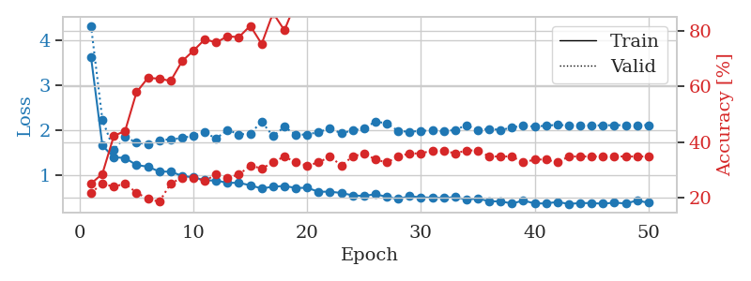
1.2799122023 | 1.6339697164 | 0.41576086957 | 0.26086956522 | 0.086526155472 | 41.576086957 | 26.086956522
1.2290511131 | 1.6515244608 | 0.55706521739 | 0.23913043478 | 0.090238332748 | 55.706521739 | 23.913043478
1.207067811 | 1.7213880446 | 0.57065217391 | 0.22826086957 | 0.085962295532 | 57.065217391 | 22.826086957
1.0775325039 | 1.7120292446 | 0.61684782609 | 0.27173913043 | 0.085542917252 | 61.684782609 | 27.173913043
1.0930585058 | 1.6455718797 | 0.67663043478 | 0.25 | 0.085907459259 | 67.663043478 | 25
0.97317866657 | 1.7326148852 | 0.71467391304 | 0.23913043478 | 0.085790634155 | 71.467391304 | 23.913043478
0.96295829441 | 1.7086969873 | 0.68206521739 | 0.21739130435 | 0.088276386261 | 68.206521739 | 21.739130435
0.90222580796 | 1.7358988057 | 0.78532608696 | 0.23913043478 | 0.085427284241 | 78.532608696 | 23.913043478
0.86863902082 | 1.7780572798 | 0.78804347826 | 0.28260869565 | 0.08548283577 | 78.804347826 | 28.260869565
0.86088830492 | 1.8214073648 | 0.78532608696 | 0.25 | 0.085920572281 | 78.532608696 | 25
0.81826910247 | 1.8966313186 | 0.78804347826 | 0.27173913043 | 0.085398674011 | 78.804347826 | 27.173913043
0.85594112718 | 1.8454285134 | 0.81793478261 | 0.29347826087 | 0.086004257202 | 81.793478261 | 29.347826087
0.68132912206 | 1.882693809 | 0.84510869565 | 0.21739130435 | 0.085642814636 | 84.510869565 | 21.739130435
0.6826203595 | 1.9410652285 | 0.83695652174 | 0.26086956522 | 0.085576057434 | 83.695652174 | 26.086956522
0.72726120508 | 1.9146377367 | 0.86684782609 | 0.26086956522 | 0.086010217667 | 86.684782609 | 26.086956522
0.694909145 | 1.9020408288 | 0.88315217391 | 0.27173913043 | 0.085710763931 | 88.315217391 | 27.173913043
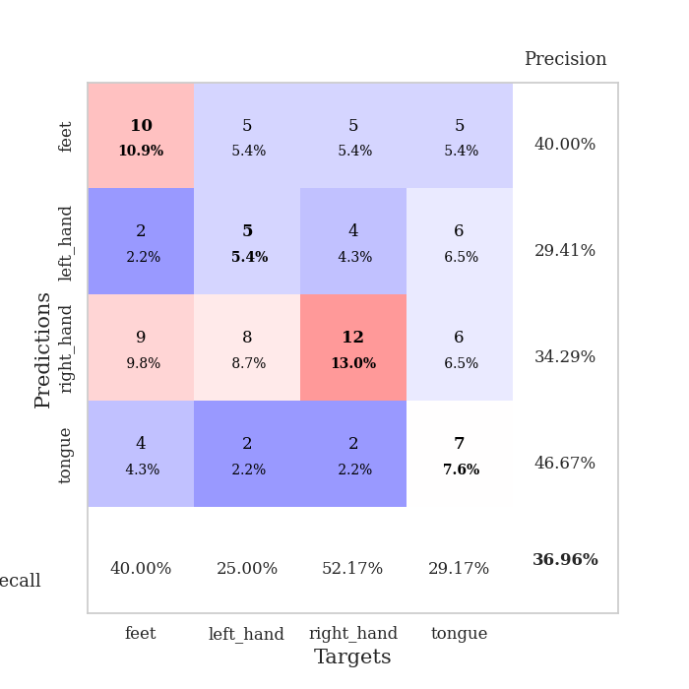
0.70919135083 | 2.0462580712 | 0.875 | 0.3152173913 | 0.085886716843 | 87.5 | 31.52173913
0.72759153532 | 2.001055733 | 0.8722826087 | 0.28260869565 | 0.085844516754 | 87.22826087 | 28.260869565
0.65491264022 | 2.0217809988 | 0.90217391304 | 0.26086956522 | 0.085922956467 | 90.217391304 | 26.086956522
0.63195866735 | 2.0310553831 | 0.91847826087 | 0.27173913043 | 0.085475921631 | 91.847826087 | 27.173913043
0.62422618399 | 2.0592464727 | 0.88858695652 | 0.22826086957 | 0.087890863419 | 88.858695652 | 22.826086957
0.55296038286 | 2.0724440398 | 0.90217391304 | 0.28260869565 | 0.085915565491 | 90.217391304 | 28.260869565
0.62254611953 | 2.1564976495 | 0.91304347826 | 0.22826086957 | 0.085600376129 | 91.304347826 | 22.826086957
0.54998223937 | 2.1511436753 | 0.93206521739 | 0.23913043478 | 0.085794210434 | 93.206521739 | 23.913043478
0.49551336662 | 2.1062822757 | 0.95652173913 | 0.27173913043 | 0.085871458054 | 95.652173913 | 27.173913043
0.48921562796 | 2.1333758054 | 0.89945652174 | 0.26086956522 | 0.085988044739 | 89.945652174 | 26.086956522
0.52418556421 | 2.056269993 | 0.95108695652 | 0.23913043478 | 0.08602809906 | 95.108695652 | 23.913043478
0.53354131852 | 2.0358545055 | 0.94836956522 | 0.27173913043 | 0.086119890213 | 94.836956522 | 27.173913043
0.42895990934 | 2.0241861395 | 0.9375 | 0.29347826087 | 0.087886571884 | 93.75 | 29.347826087
0.50518703849 | 2.1311855575 | 0.95108695652 | 0.28260869565 | 0.098226070404 | 95.108695652 | 28.260869565
0.47313358861 | 2.1420273003 | 0.96195652174 | 0.30434782609 | 0.086364507675 | 96.195652174 | 30.434782609
0.45181561553 | 2.150861766 | 0.94836956522 | 0.32608695652 | 0.085926055908 | 94.836956522 | 32.608695652
0.4308665628 | 2.1220330363 | 0.96739130435 | 0.28260869565 | 0.088881015778 | 96.739130435 | 28.260869565
0.37725889683 | 2.1505284258 | 0.96467391304 | 0.28260869565 | 0.088772535324 | 96.467391304 | 28.260869565
0.43001347262 | 2.2134350279 | 0.94836956522 | 0.29347826087 | 0.086136579514 | 94.836956522 | 29.347826087
0.41834458255 | 2.1728131045 | 0.95923913043 | 0.29347826087 | 0.086329698563 | 95.923913043 | 29.347826087
0.39348914312 | 2.1865374472 | 0.95108695652 | 0.30434782609 | 0.086234331131 | 95.108695652 | 30.434782609
0.43065556884 | 2.1921306227 | 0.96739130435 | 0.27173913043 | 0.086083889008 | 96.739130435 | 27.173913043
0.41521069796 | 2.1810804087 | 0.97010869565 | 0.26086956522 | 0.086076021194 | 97.010869565 | 26.086956522
0.37956956806 | 2.1712985816 | 0.97554347826 | 0.27173913043 | 0.086051940918 | 97.554347826 | 27.173913043
0.36226835361 | 2.1752046554 | 0.97282608696 | 0.27173913043 | 0.085926055908 | 97.282608696 | 27.173913043
0.39803007634 | 2.1757791301 | 0.97554347826 | 0.27173913043 | 0.086030960083 | 97.554347826 | 27.173913043
0.41434536226 | 2.1753889219 | 0.97554347826 | 0.27173913043 | 0.094579935074 | 97.554347826 | 27.173913043
0.36282169754 | 2.1756586044 | 0.97826086957 | 0.27173913043 | 0.088440179825 | 97.826086957 | 27.173913043
0.35889591665 | 2.1785804189 | 0.97826086957 | 0.27173913043 | 0.086262702942 | 97.826086957 | 27.173913043
0.37599107137 | 2.1819941946 | 0.97826086957 | 0.27173913043 | 0.085688591003 | 97.826086957 | 27.173913043
0.43637942944 | 2.1834524507 | 0.97826086957 | 0.27173913043 | 0.085839033127 | 97.826086957 | 27.173913043
0.4155877848 | 2.1835859133 | 0.97826086957 | 0.27173913043 | 0.085891246796 | 97.826086957 | 27.173913043

Best Val accuracy is 0.32608695652173914 and Best test accuracy is 0.35344827586206895

Sheet8
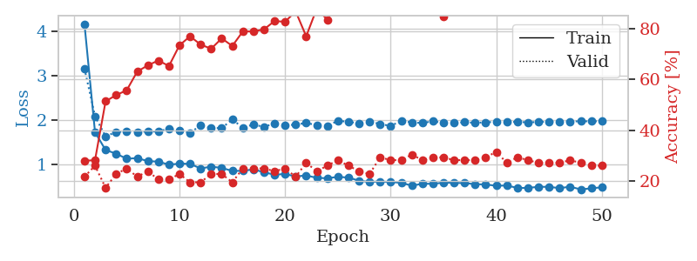
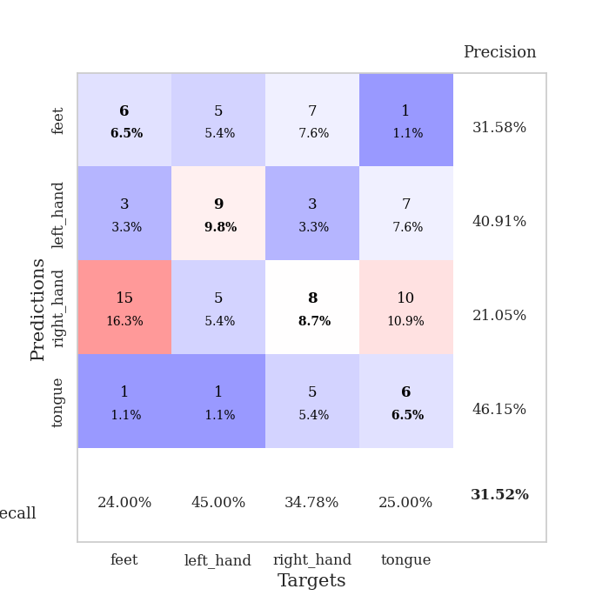
train_loss | valid_loss | train_accuracy | valid_accuracy | dur | train_misclass | valid_misclass
4.2670106732 | 12.214966111 | 0.25 | 0.25 | 0.084711313248 | 25 | 25
1.9335975543 | 2.9793044692 | 0.25815217391 | 0.25 | 0.08120059967 | 25.815217391 | 25
1.4211614572 | 1.670735976 | 0.38586956522 | 0.28260869565 | 0.081215381622 | 38.586956522 | 28.260869565
1.2559162845 | 1.5603315519 | 0.52989130435 | 0.3152173913 | 0.081014871597 | 52.989130435 | 31.52173913
1.2141575865 | 1.6320916 | 0.5625 | 0.28260869565 | 0.081090688705 | 56.25 | 28.260869565
1.1307247877 | 1.6741895935 | 0.56793478261 | 0.28260869565 | 0.081229448318 | 56.793478261 | 28.260869565
1.0974431971 | 1.5949843915 | 0.64402173913 | 0.30434782609 | 0.080812692642 | 64.402173913 | 30.434782609
1.0284114039 | 1.6031110131 | 0.68206521739 | 0.34782608696 | 0.081287622452 | 68.206521739 | 34.782608696
1.0223747155 | 1.6475750052 | 0.69565217391 | 0.3152173913 | 0.084947824478 | 69.565217391 | 31.52173913
0.93243477396 | 1.5920519881 | 0.74184782609 | 0.34782608696 | 0.082044839859 | 74.184782609 | 34.782608696
0.9302659268 | 1.5888313781 | 0.72282608696 | 0.34782608696 | 0.08114528656 | 72.282608696 | 34.782608696
0.81533999028 | 1.6721818603 | 0.6902173913 | 0.29347826087 | 0.081063985825 | 69.02173913 | 29.347826087
0.87258047643 | 1.6965281912 | 0.76358695652 | 0.28260869565 | 0.080920696259 | 76.358695652 | 28.260869565
0.85701608917 | 1.7460974455 | 0.70652173913 | 0.26086956522 | 0.081122875214 | 70.652173913 | 26.086956522
0.78803991494 | 1.6735637914 | 0.81793478261 | 0.34782608696 | 0.080773353577 | 81.793478261 | 34.782608696
0.79154381933 | 1.7249134986 | 0.77989130435 | 0.27173913043 | 0.080784320831 | 77.989130435 | 27.173913043
0.72630894832 | 1.6262634578 | 0.84510869565 | 0.38043478261 | 0.080764532089 | 84.510869565 | 38.043478261
0.70757236818 | 1.7268972449 | 0.8125 | 0.29347826087 | 0.083828210831 | 81.25 | 29.347826087
0.73538144516 | 1.6653349089 | 0.875 | 0.29347826087 | 0.081827878952 | 87.5 | 29.347826087
0.68133638346 | 1.6655141115 | 0.89130434783 | 0.32608695652 | 0.081748723984 | 89.130434783 | 32.608695652
0.65657776853 | 1.6748187231 | 0.90489130435 | 0.35869565217 | 0.081813812256 | 90.489130435 | 35.869565217
0.62522686953 | 1.8283294387 | 0.84239130435 | 0.34782608696 | 0.081704616547 | 84.239130435 | 34.782608696
0.6307202461 | 1.7641200035 | 0.91032608696 | 0.34782608696 | 0.081455230713 | 91.032608696 | 34.782608696
0.59155826983 | 1.7799771713 | 0.92663043478 | 0.28260869565 | 0.081738233566 | 92.663043478 | 28.260869565
0.60493791492 | 1.8999956794 | 0.86413043478 | 0.30434782609 | 0.081740140915 | 86.413043478 | 30.434782609
0.54594252161 | 1.8451957081 | 0.94836956522 | 0.28260869565 | 0.081799983978 | 94.836956522 | 28.260869565
0.51068511735 | 1.8056792643 | 0.9402173913 | 0.3152173913 | 0.081738233566 | 94.02173913 | 31.52173913
0.54983164694 | 1.7849087301 | 0.9375 | 0.30434782609 | 0.081794500351 | 93.75 | 30.434782609
0.49858854128 | 1.7621750624 | 0.95380434783 | 0.33695652174 | 0.081702470779 | 95.380434783 | 33.695652174
0.48516043373 | 1.8006516332 | 0.9375 | 0.29347826087 | 0.081724643707 | 93.75 | 29.347826087
0.44984230334 | 1.9107226548 | 0.94565217391 | 0.32608695652 | 0.081889390945 | 94.565217391 | 32.608695652
0.45130005738 | 1.9637535551 | 0.94293478261 | 0.3152173913 | 0.081773519516 | 94.293478261 | 31.52173913
0.46606055485 | 1.9145019365 | 0.97282608696 | 0.29347826087 | 0.081597566605 | 97.282608696 | 29.347826087
0.45640300409 | 1.9676655894 | 0.93206521739 | 0.32608695652 | 0.081684589386 | 93.206521739 | 32.608695652
0.44069173414 | 1.9678531367 | 0.9347826087 | 0.29347826087 | 0.08180809021 | 93.47826087 | 29.347826087
0.40412996774 | 1.9431373399 | 0.9347826087 | 0.29347826087 | 0.081666231155 | 93.47826087 | 29.347826087
0.45348927249 | 1.9345252566 | 0.9347826087 | 0.28260869565 | 0.081590890884 | 93.47826087 | 28.260869565
0.42881239951 | 1.9085274313 | 0.95380434783 | 0.29347826087 | 0.081774234772 | 95.380434783 | 29.347826087
0.41661413467 | 1.9730803604 | 0.9375 | 0.29347826087 | 0.081567764282 | 93.75 | 29.347826087
0.41792945564 | 1.937549306 | 0.95108695652 | 0.29347826087 | 0.081798791885 | 95.108695652 | 29.347826087
0.37428585213 | 1.9553991608 | 0.95108695652 | 0.29347826087 | 0.081866979599 | 95.108695652 | 29.347826087
0.37223850515 | 1.9668409513 | 0.95380434783 | 0.28260869565 | 0.081763029099 | 95.380434783 | 28.260869565
0.39168669283 | 1.9699875946 | 0.95652173913 | 0.30434782609 | 0.081605672836 | 95.652173913 | 30.434782609
0.40831653515 | 1.9781886236 | 0.95108695652 | 0.30434782609 | 0.082006216049 | 95.108695652 | 30.434782609
0.4238318166 | 1.948210908 | 0.95923913043 | 0.29347826087 | 0.08171415329 | 95.923913043 | 29.347826087
0.38865437261 | 1.9546100109 | 0.95652173913 | 0.29347826087 | 0.081657409668 | 95.652173913 | 29.347826087
0.38366087818 | 1.9566975314 | 0.95923913043 | 0.29347826087 | 0.081747055054 | 95.923913043 | 29.347826087
0.45017338123 | 1.9527626867 | 0.96195652174 | 0.29347826087 | 0.081879615784 | 96.195652174 | 29.347826087
0.43740128564 | 1.9507640289 | 0.96467391304 | 0.29347826087 | 0.081852197647 | 96.467391304 | 29.347826087
0.39562646397 | 1.9479159013 | 0.96467391304 | 0.29347826087 | 0.081918001175 | 96.467391304 | 29.347826087

Best Val accuracy is 0.3804347826086957 and Best test accuracy is 0.3793103448275862
train_loss | valid_loss | train_accuracy | valid_accuracy | dur | train_misclass | valid_misclass
4.1694800439 | 3.1638879258 | 0.27989130435 | 0.21739130435 | 0.088117361069 | 27.989130435 | 21.739130435
1.7241870217 | 2.0856552176 | 0.28260869565 | 0.26086956522 | 0.086481571198 | 28.260869565 | 26.086956522
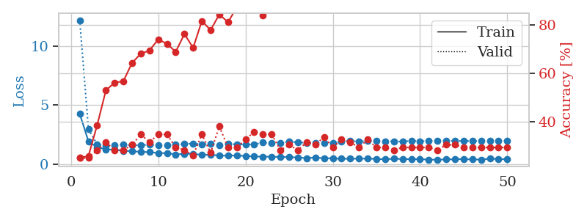
1.3227053 | 1.6292413421 | 0.51358695652 | 0.17391304348 | 0.086001873016 | 51.358695652 | 17.391304348
1.2405294232 | 1.7311200681 | 0.53804347826 | 0.22826086957 | 0.086630582809 | 53.804347826 | 22.826086957
1.1251977889 | 1.7383317844 | 0.55706521739 | 0.25 | 0.086996555328 | 55.706521739 | 25
1.1405979499 | 1.7337685772 | 0.63043478261 | 0.21739130435 | 0.086135387421 | 63.043478261 | 21.739130435
1.0712738944 | 1.7391659229 | 0.65489130435 | 0.23913043478 | 0.085618257523 | 65.489130435 | 23.913043478
1.0616520177 | 1.7417059411 | 0.67391304348 | 0.20652173913 | 0.085965156555 | 67.391304348 | 20.652173913
0.99000884657 | 1.8059932978 | 0.65217391304 | 0.20652173913 | 0.089717149734 | 65.217391304 | 20.652173913
1.0171325207 | 1.7642985997 | 0.73369565217 | 0.22826086957 | 0.085509777069 | 73.369565217 | 22.826086957
1.0097038124 | 1.708998763 | 0.76902173913 | 0.19565217391 | 0.085415124893 | 76.902173913 | 19.565217391
0.90630224477 | 1.8809179845 | 0.73641304348 | 0.19565217391 | 0.085575819016 | 73.641304348 | 19.565217391
0.94744782085 | 1.8193360515 | 0.72010869565 | 0.22826086957 | 0.085587024689 | 72.010869565 | 22.826086957
0.9181895256 | 1.8183584524 | 0.76086956522 | 0.22826086957 | 0.085273981094 | 76.086956522 | 22.826086957
0.85102685249 | 2.0115007732 | 0.73097826087 | 0.19565217391 | 0.085350513458 | 73.097826087 | 19.565217391
0.85198083131 | 1.826313195 | 0.78804347826 | 0.25 | 0.085447311401 | 78.804347826 | 25
0.88603500827 | 1.8980379934 | 0.78804347826 | 0.25 | 0.08572101593 | 78.804347826 | 25
0.8199764516 | 1.843596842 | 0.79619565217 | 0.25 | 0.085810184479 | 79.619565217 | 25
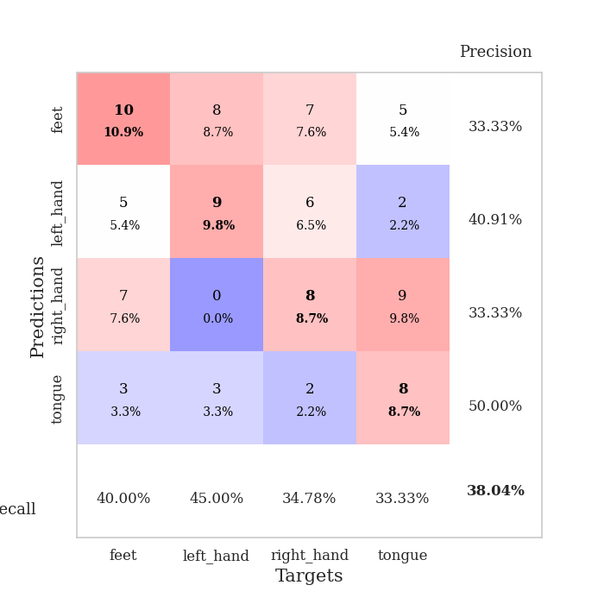
0.76512543792 | 1.9261770767 | 0.82880434783 | 0.23913043478 | 0.085889101028 | 82.880434783 | 23.913043478
0.7820362047 | 1.8757156807 | 0.82608695652 | 0.25 | 0.086259126663 | 82.608695652 | 25
0.72474315374 | 1.8977411001 | 0.86684782609 | 0.21739130435 | 0.086090803146 | 86.684782609 | 21.739130435
0.74982696901 | 1.9318240518 | 0.76902173913 | 0.27173913043 | 0.08612036705 | 76.902173913 | 27.173913043
0.69348435169 | 1.8874339124 | 0.8777173913 | 0.23913043478 | 0.086193084717 | 87.77173913 | 23.913043478
0.68559774756 | 1.8674499678 | 0.83423913043 | 0.26086956522 | 0.086044073105 | 83.423913043 | 26.086956522
0.71624822979 | 1.9834061913 | 0.91576086957 | 0.28260869565 | 0.086023330688 | 91.576086957 | 28.260869565
0.70087786861 | 1.9587163614 | 0.91032608696 | 0.26086956522 | 0.086272478104 | 91.032608696 | 26.086956522
0.62885462719 | 1.9275940812 | 0.88858695652 | 0.23913043478 | 0.086163520813 | 88.858695652 | 23.913043478
0.60157275329 | 1.9683683851 | 0.89130434783 | 0.22826086957 | 0.086357593536 | 89.130434783 | 22.826086957
0.61280949738 | 1.9087460663 | 0.90760869565 | 0.29347826087 | 0.086191654205 | 90.760869565 | 29.347826087
0.59904579753 | 1.8666308133 | 0.89402173913 | 0.28260869565 | 0.08637213707 | 89.402173913 | 28.260869565
0.58397490564 | 1.9812422317 | 0.89945652174 | 0.28260869565 | 0.086061000824 | 89.945652174 | 28.260869565
0.51685924763 | 1.9461709624 | 0.93206521739 | 0.30434782609 | 0.085607290268 | 93.206521739 | 30.434782609
0.56088042518 | 1.9322401544 | 0.9375 | 0.28260869565 | 0.086198091507 | 93.75 | 28.260869565
0.5600418591 | 1.9720242023 | 0.88043478261 | 0.29347826087 | 0.08589887619 | 88.043478261 | 29.347826087
0.58624656952 | 1.9364069234 | 0.84510869565 | 0.29347826087 | 0.088019132614 | 84.510869565 | 29.347826087
0.58185028252 | 1.9321505194 | 0.92934782609 | 0.28260869565 | 0.086905956268 | 92.934782609 | 28.260869565
0.57509676918 | 1.9505667168 | 0.88043478261 | 0.28260869565 | 0.085374832153 | 88.043478261 | 28.260869565
0.55282185648 | 1.937860209 | 0.91304347826 | 0.28260869565 | 0.085273504257 | 91.304347826 | 28.260869565
0.54344544333 | 1.9461410046 | 0.91847826087 | 0.29347826087 | 0.085295915604 | 91.847826087 | 29.347826087
0.51642845118 | 1.9627063378 | 0.90760869565 | 0.3152173913 | 0.085563182831 | 90.760869565 | 31.52173913
0.52133088008 | 1.951886996 | 0.9347826087 | 0.27173913043 | 0.085413455963 | 93.47826087 | 27.173913043
0.46674777503 | 1.9603843482 | 0.94565217391 | 0.29347826087 | 0.085361242294 | 94.565217391 | 29.347826087
0.46700838662 | 1.9457731973 | 0.94836956522 | 0.28260869565 | 0.085335731506 | 94.836956522 | 28.260869565
0.49234293142 | 1.9560643383 | 0.94565217391 | 0.27173913043 | 0.085367202759 | 94.565217391 | 27.173913043
0.49097848327 | 1.9606211082 | 0.94836956522 | 0.27173913043 | 0.085668563843 | 94.836956522 | 27.173913043
0.46218236568 | 1.9675276901 | 0.94293478261 | 0.27173913043 | 0.085544586182 | 94.293478261 | 27.173913043
0.49452587444 | 1.9686533161 | 0.94565217391 | 0.28260869565 | 0.08554816246 | 94.565217391 | 28.260869565
0.43256973767 | 1.9697739041 | 0.95108695652 | 0.27173913043 | 0.085097074509 | 95.108695652 | 27.173913043
0.4576249304 | 1.9711447902 | 0.95108695652 | 0.26086956522 | 0.086296319962 | 95.108695652 | 26.086956522
0.48143440744 | 1.9719851121 | 0.95108695652 | 0.26086956522 | 0.086797237396 | 95.108695652 | 26.086956522

Best Val accuracy is 0.31521739130434784 and Best test accuracy is 0.33620689655172414

Sheet9
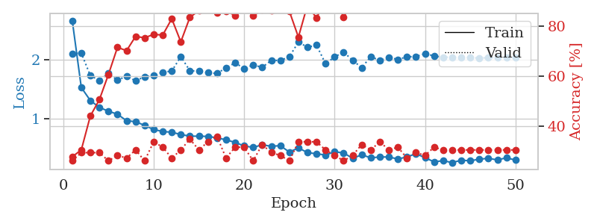
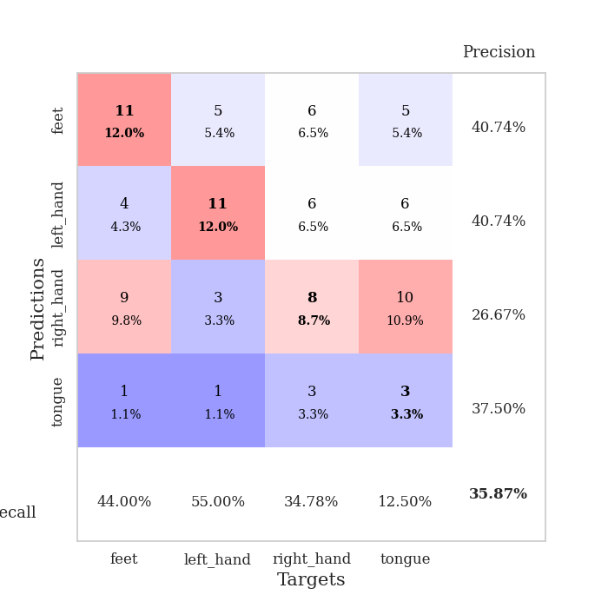
train_loss | valid_loss | train_accuracy | valid_accuracy | dur | train_misclass | valid_misclass
3.1151434287 | 2.4081050728 | 0.33152173913 | 0.28260869565 | 0.084894895554 | 33.152173913 | 28.260869565
1.5600267701 | 2.3880516135 | 0.33152173913 | 0.23913043478 | 0.080440044403 | 33.152173913 | 23.913043478
1.3834301959 | 2.1207558279 | 0.32608695652 | 0.28260869565 | 0.080459356308 | 32.608695652 | 28.260869565
1.3389815455 | 1.783351157 | 0.52717391304 | 0.22826086957 | 0.080364227295 | 52.717391304 | 22.826086957
1.2600508514 | 1.6813770584 | 0.60326086957 | 0.22826086957 | 0.080279350281 | 60.326086957 | 22.826086957
1.0461568651 | 1.6519242836 | 0.63315217391 | 0.27173913043 | 0.080383300781 | 63.315217391 | 27.173913043
1.0672247876 | 1.7114240657 | 0.67119565217 | 0.30434782609 | 0.080456256866 | 67.119565217 | 30.434782609
1.0587863041 | 1.5170961307 | 0.70923913043 | 0.34782608696 | 0.080473661423 | 70.923913043 | 34.782608696
0.94848534335 | 1.528250093 | 0.66304347826 | 0.3152173913 | 0.080529689789 | 66.304347826 | 31.52173913
0.89583398207 | 1.5406887583 | 0.7527173913 | 0.3152173913 | 0.080904245377 | 75.27173913 | 31.52173913
0.88881460091 | 1.5039550273 | 0.77989130435 | 0.33695652174 | 0.080893278122 | 77.989130435 | 33.695652174
0.76905587704 | 1.924281763 | 0.64673913043 | 0.32608695652 | 0.080791473389 | 64.673913043 | 32.608695652
0.878546098 | 1.6008527797 | 0.8125 | 0.32608695652 | 0.080782413483 | 81.25 | 32.608695652
0.82824165147 | 1.6769179728 | 0.82880434783 | 0.32608695652 | 0.080716133118 | 82.880434783 | 32.608695652
0.78649328843 | 1.6576959206 | 0.82880434783 | 0.34782608696 | 0.080919265747 | 82.880434783 | 34.782608696
0.75505094295 | 1.6731853537 | 0.76902173913 | 0.35869565217 | 0.08075261116 | 76.902173913 | 35.869565217
0.68485632409 | 1.6638905743 | 0.82336956522 | 0.38043478261 | 0.080944538116 | 82.336956522 | 38.043478261
0.65032141364 | 1.6170645019 | 0.88858695652 | 0.34782608696 | 0.081122875214 | 88.858695652 | 34.782608696
0.64834410341 | 1.6683506603 | 0.82880434783 | 0.36956521739 | 0.083026170731 | 82.880434783 | 36.956521739
0.63986340424 | 1.6283960135 | 0.88315217391 | 0.39130434783 | 0.081479072571 | 88.315217391 | 39.130434783
0.63158010659 | 1.7712432768 | 0.88858695652 | 0.38043478261 | 0.081829071045 | 88.858695652 | 38.043478261
0.64761658466 | 1.8096717181 | 0.91032608696 | 0.32608695652 | 0.081839084625 | 91.032608696 | 32.608695652
0.58940700474 | 1.7471764036 | 0.90760869565 | 0.33695652174 | 0.081728696823 | 90.760869565 | 33.695652174
0.53026642359 | 1.7798897546 | 0.91304347826 | 0.34782608696 | 0.081480979919 | 91.304347826 | 34.782608696
0.55820223171 | 1.8114828856 | 0.90760869565 | 0.32608695652 | 0.081617832184 | 90.760869565 | 32.608695652
0.48382366351 | 1.7170560412 | 0.92391304348 | 0.34782608696 | 0.081516981125 | 92.391304348 | 34.782608696
0.52530368644 | 1.7206427377 | 0.94293478261 | 0.35869565217 | 0.084173202515 | 94.293478261 | 35.869565217
0.44735955091 | 1.8137000281 | 0.92663043478 | 0.35869565217 | 0.08088517189 | 92.663043478 | 35.869565217
0.53530417771 | 1.8543081387 | 0.92391304348 | 0.34782608696 | 0.081116914749 | 92.391304348 | 34.782608696
0.48236352983 | 1.9045294627 | 0.92663043478 | 0.32608695652 | 0.081176996231 | 92.663043478 | 32.608695652
0.46702527222 | 1.9589883918 | 0.88586956522 | 0.33695652174 | 0.08115363121 | 88.586956522 | 33.695652174
0.45491841176 | 1.8827601257 | 0.92934782609 | 0.33695652174 | 0.080902338028 | 92.934782609 | 33.695652174
0.43370442416 | 1.8289693387 | 0.95652173913 | 0.32608695652 | 0.080707550049 | 95.652173913 | 32.608695652
0.42912861705 | 1.9866464915 | 0.90489130435 | 0.34782608696 | 0.081027984619 | 90.489130435 | 34.782608696
0.40931293498 | 1.8940631099 | 0.96739130435 | 0.34782608696 | 0.080841302872 | 96.739130435 | 34.782608696
0.45721812287 | 1.9530914607 | 0.95380434783 | 0.34782608696 | 0.081032991409 | 95.380434783 | 34.782608696
0.39627949116 | 1.8726939274 | 0.96195652174 | 0.34782608696 | 0.080772638321 | 96.195652174 | 34.782608696
0.41724145607 | 1.8773030354 | 0.96739130435 | 0.33695652174 | 0.080893278122 | 96.739130435 | 33.695652174
0.37518334972 | 1.9053132275 | 0.96195652174 | 0.33695652174 | 0.081101179123 | 96.195652174 | 33.695652174
0.42538926945 | 1.9354366168 | 0.9375 | 0.33695652174 | 0.08104634285 | 93.75 | 33.695652174
0.39211612713 | 1.9199252647 | 0.96467391304 | 0.32608695652 | 0.08109498024 | 96.467391304 | 32.608695652
0.37073830094 | 1.9265802788 | 0.96467391304 | 0.33695652174 | 0.080936670303 | 96.467391304 | 33.695652174
0.37706122709 | 1.9093201109 | 0.97010869565 | 0.32608695652 | 0.081253051758 | 97.010869565 | 32.608695652
0.36845477865 | 1.9097456984 | 0.97282608696 | 0.3152173913 | 0.081202507019 | 97.282608696 | 31.52173913
0.38474007275 | 1.9028053232 | 0.97554347826 | 0.3152173913 | 0.081086158752 | 97.554347826 | 31.52173913
0.3550135571 | 1.8919136628 | 0.97554347826 | 0.32608695652 | 0.081107378006 | 97.554347826 | 32.608695652
0.36620042732 | 1.8958310925 | 0.97554347826 | 0.32608695652 | 0.080752372742 | 97.554347826 | 32.608695652
0.33427330852 | 1.8974312077 | 0.97554347826 | 0.32608695652 | 0.080985069275 | 97.554347826 | 32.608695652
0.35803668201 | 1.8985259481 | 0.97554347826 | 0.32608695652 | 0.080855607986 | 97.554347826 | 32.608695652
0.3832874933 | 1.8982707469 | 0.97554347826 | 0.32608695652 | 0.080868959427 | 97.554347826 | 32.608695652

Best Val accuracy is 0.391304347826087 and Best test accuracy is 0.3620689655172414
train_loss | valid_loss | train_accuracy | valid_accuracy | dur | train_misclass | valid_misclass
2.6646981084 | 2.1085552133 | 0.27717391304 | 0.26086956522 | 0.089023113251 | 27.717391304 | 26.086956522
1.532221224 | 2.113651908 | 0.30434782609 | 0.29347826087 | 0.096413373947 | 30.434782609 | 29.347826087
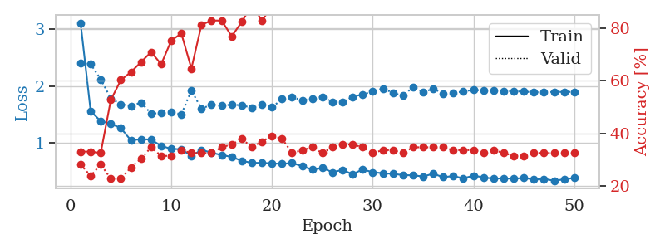
1.3125137713 | 1.7337253612 | 0.4402173913 | 0.29347826087 | 0.087649345398 | 44.02173913 | 29.347826087
1.1951677385 | 1.6526732186 | 0.50543478261 | 0.29347826087 | 0.086698293686 | 50.543478261 | 29.347826087
1.1318033415 | 1.7689126419 | 0.60597826087 | 0.26086956522 | 0.090151548386 | 60.597826087 | 26.086956522
1.0804055903 | 1.6572591792 | 0.71467391304 | 0.28260869565 | 0.094456672668 | 71.467391304 | 28.260869565
0.97132547005 | 1.7231924793 | 0.70108695652 | 0.27173913043 | 0.095800876617 | 70.108695652 | 27.173913043
0.95383899627 | 1.6459226245 | 0.75815217391 | 0.30434782609 | 0.089757204056 | 75.815217391 | 30.434782609
0.89219916126 | 1.714135481 | 0.7527173913 | 0.26086956522 | 0.089635133743 | 75.27173913 | 26.086956522
0.82205043409 | 1.7359549325 | 0.76630434783 | 0.33695652174 | 0.085724592209 | 76.630434783 | 33.695652174
0.78869684753 | 1.7920815686 | 0.76358695652 | 0.3152173913 | 0.085880994797 | 76.358695652 | 31.52173913
0.77591010151 | 1.8095059188 | 0.82880434783 | 0.27173913043 | 0.08575797081 | 82.880434783 | 27.173913043
0.73789370449 | 2.0554553789 | 0.73641304348 | 0.30434782609 | 0.085930347443 | 73.641304348 | 30.434782609
0.70933159927 | 1.8167176247 | 0.83423913043 | 0.34782608696 | 0.085832595825 | 83.423913043 | 34.782608696
0.70915405387 | 1.8070091735 | 0.86141304348 | 0.30434782609 | 0.086133003235 | 86.141304348 | 30.434782609
0.7053074461 | 1.783998365 | 0.89402173913 | 0.33695652174 | 0.085880041122 | 89.402173913 | 33.695652174
0.68158387101 | 1.7692124066 | 0.85326086957 | 0.35869565217 | 0.087286710739 | 85.326086957 | 35.869565217
0.64770525046 | 1.8656094541 | 0.85869565217 | 0.27173913043 | 0.086212396622 | 85.869565217 | 27.173913043
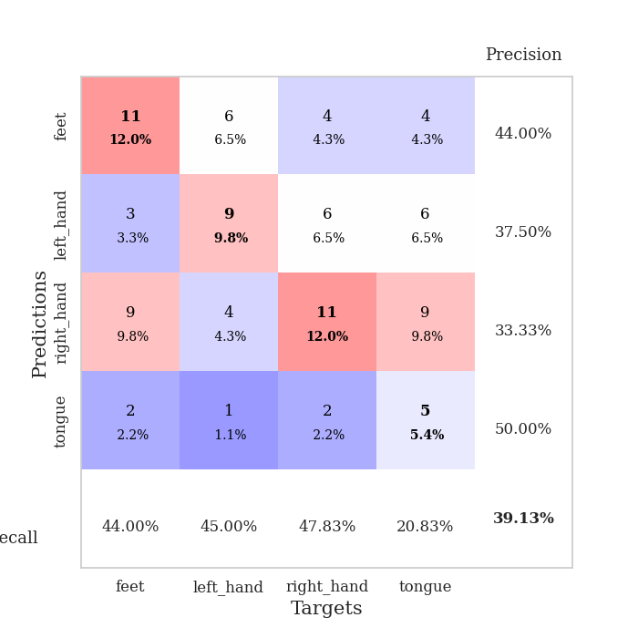
0.6038803212 | 1.9495479905 | 0.84239130435 | 0.3152173913 | 0.086108207703 | 84.239130435 | 31.52173913
0.54378158826 | 1.8547487881 | 0.88315217391 | 0.3152173913 | 0.08596944809 | 88.315217391 | 31.52173913
0.51960195407 | 1.9128300314 | 0.83967391304 | 0.26086956522 | 0.086142539978 | 83.967391304 | 26.086956522
0.56393133428 | 1.873663923 | 0.86413043478 | 0.32608695652 | 0.087974786758 | 86.413043478 | 32.608695652
0.53799897691 | 1.9904618263 | 0.86141304348 | 0.29347826087 | 0.086027383804 | 86.141304348 | 29.347826087
0.54920952605 | 1.9902036346 | 0.8722826087 | 0.28260869565 | 0.086307764053 | 87.22826087 | 28.260869565
0.44041822073 | 2.0517769067 | 0.85869565217 | 0.26086956522 | 0.085678577423 | 85.869565217 | 26.086956522
0.51157359844 | 2.3013893832 | 0.75543478261 | 0.33695652174 | 0.086121082306 | 75.543478261 | 33.695652174
0.43156645998 | 2.2133100603 | 0.88315217391 | 0.33695652174 | 0.086117744446 | 88.315217391 | 33.695652174
0.41187945591 | 2.2487874705 | 0.83152173913 | 0.33695652174 | 0.086271762848 | 83.152173913 | 33.695652174
0.39138549048 | 1.9350311601 | 0.90489130435 | 0.30434782609 | 0.086074829102 | 90.489130435 | 30.434782609
0.4446211846 | 2.0474389532 | 0.92119565217 | 0.28260869565 | 0.085995912552 | 92.119565217 | 28.260869565
0.42687380703 | 2.1336964524 | 0.83423913043 | 0.26086956522 | 0.086205244064 | 83.423913043 | 26.086956522
0.33325912674 | 1.9894962725 | 0.90489130435 | 0.28260869565 | 0.087726354599 | 90.489130435 | 28.260869565
0.39533215308 | 1.8689988748 | 0.96467391304 | 0.32608695652 | 0.085865259171 | 96.467391304 | 32.608695652
0.34247164752 | 2.0543649508 | 0.91304347826 | 0.30434782609 | 0.089772939682 | 91.304347826 | 30.434782609
0.35813946245 | 1.990106707 | 0.97010869565 | 0.33695652174 | 0.085645914078 | 97.010869565 | 33.695652174
0.35657276731 | 2.0407878886 | 0.90489130435 | 0.30434782609 | 0.085666894913 | 90.489130435 | 30.434782609
0.32405007793 | 2.0072797226 | 0.95108695652 | 0.3152173913 | 0.087717294693 | 95.108695652 | 31.52173913
0.35756025172 | 2.050917527 | 0.93206521739 | 0.27173913043 | 0.086019515991 | 93.206521739 | 27.173913043
0.41420339858 | 2.0568459552 | 0.92934782609 | 0.29347826087 | 0.08628821373 | 92.934782609 | 29.347826087
0.34351890372 | 2.1053135032 | 0.92119565217 | 0.28260869565 | 0.085964202881 | 92.119565217 | 28.260869565
0.27628534546 | 2.0663319204 | 0.94565217391 | 0.3152173913 | 0.086276531219 | 94.565217391 | 31.52173913
0.2942042273 | 2.045739573 | 0.95380434783 | 0.30434782609 | 0.086130142212 | 95.380434783 | 30.434782609
0.26280003268 | 2.0435210104 | 0.95380434783 | 0.30434782609 | 0.085883378983 | 95.380434783 | 30.434782609
0.30253686691 | 2.0438626953 | 0.95108695652 | 0.30434782609 | 0.08584523201 | 95.108695652 | 30.434782609
0.29357420685 | 2.0390561404 | 0.94565217391 | 0.30434782609 | 0.086054325104 | 94.565217391 | 30.434782609
0.31967968008 | 2.0287260335 | 0.95923913043 | 0.30434782609 | 0.086226940155 | 95.923913043 | 30.434782609
0.33561169259 | 2.0368451606 | 0.95923913043 | 0.30434782609 | 0.087571144104 | 95.923913043 | 30.434782609
0.30729711315 | 2.0398421443 | 0.95923913043 | 0.30434782609 | 0.085728645325 | 95.923913043 | 30.434782609
0.34442795975 | 2.0410153399 | 0.95923913043 | 0.30434782609 | 0.085942029953 | 95.923913043 | 30.434782609
0.30435983254 | 2.0429432651 | 0.95923913043 | 0.30434782609 | 0.086068630219 | 95.923913043 | 30.434782609

Best Val accuracy is 0.358695652173913 and Best test accuracy is 0.3620689655172414

Sheet10
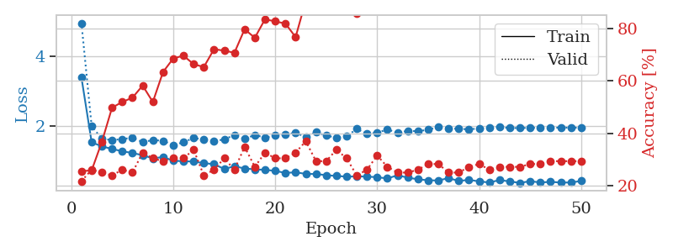
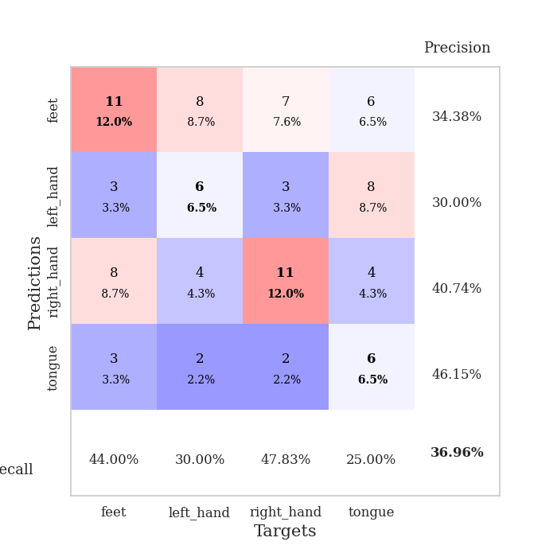
train_loss | valid_loss | train_accuracy | valid_accuracy | dur | train_misclass | valid_misclass
4.2109339445 | 9.5678801329 | 0.32880434783 | 0.30434782609 | 0.08206319809 | 32.880434783 | 30.434782609
1.6831193229 | 4.6967099024 | 0.35054347826 | 0.22826086957 | 0.081434011459 | 35.054347826 | 22.826086957
1.4812202117 | 2.5087328683 | 0.39402173913 | 0.26086956522 | 0.081144332886 | 39.402173913 | 26.086956522
1.2886346915 | 1.8866379831 | 0.5625 | 0.25 | 0.081102371216 | 56.25 | 25
1.2538125722 | 1.6770131484 | 0.57336956522 | 0.23913043478 | 0.081064224243 | 57.336956522 | 23.913043478
1.1861461116 | 1.6335085112 | 0.55434782609 | 0.35869565217 | 0.081216335297 | 55.434782609 | 35.869565217
1.1416355942 | 1.5393933265 | 0.63858695652 | 0.29347826087 | 0.081460952759 | 63.858695652 | 29.347826087
1.0932389835 | 1.5551010785 | 0.64130434783 | 0.35869565217 | 0.081549167633 | 64.130434783 | 35.869565217
1.0172545366 | 1.5435494599 | 0.625 | 0.33695652174 | 0.081528663635 | 62.5 | 33.695652174
0.98177286335 | 1.494915672 | 0.71195652174 | 0.3152173913 | 0.081545591354 | 71.195652174 | 31.52173913
0.90521465695 | 1.5791791004 | 0.65489130435 | 0.3152173913 | 0.081670761108 | 65.489130435 | 31.52173913
0.87531510643 | 1.5269443004 | 0.70380434783 | 0.33695652174 | 0.081512928009 | 70.380434783 | 33.695652174
0.89280264274 | 1.5334509559 | 0.73369565217 | 0.34782608696 | 0.081432580948 | 73.369565217 | 34.782608696
0.87049889305 | 1.5412677682 | 0.72010869565 | 0.30434782609 | 0.081345081329 | 72.010869565 | 30.434782609
0.82701002515 | 1.7263901078 | 0.63858695652 | 0.29347826087 | 0.081485271454 | 63.858695652 | 29.347826087
0.74980143749 | 1.605748301 | 0.82065217391 | 0.35869565217 | 0.081375837326 | 82.065217391 | 35.869565217
0.75042801448 | 1.6427776554 | 0.79619565217 | 0.32608695652 | 0.081408023834 | 79.619565217 | 32.608695652
0.73725734975 | 1.6254965533 | 0.79347826087 | 0.32608695652 | 0.081533193588 | 79.347826087 | 32.608695652
0.66445004551 | 1.7899364596 | 0.71195652174 | 0.32608695652 | 0.081576824188 | 71.195652174 | 32.608695652
0.66779923439 | 1.7241572245 | 0.73641304348 | 0.30434782609 | 0.081591367722 | 73.641304348 | 30.434782609
0.68734002243 | 1.5842639001 | 0.88315217391 | 0.38043478261 | 0.081420898438 | 88.315217391 | 38.043478261
0.66751216935 | 1.6138557714 | 0.79619565217 | 0.33695652174 | 0.081570148468 | 79.619565217 | 33.695652174
0.64351098952 | 1.6669630123 | 0.84510869565 | 0.33695652174 | 0.081501245499 | 84.510869565 | 33.695652174
0.60778692818 | 1.5979006809 | 0.89945652174 | 0.3152173913 | 0.081555128098 | 89.945652174 | 31.52173913
0.55500750308 | 1.7534371252 | 0.80434782609 | 0.33695652174 | 0.081379890442 | 80.434782609 | 33.695652174
0.59023718601 | 1.6711051412 | 0.83152173913 | 0.33695652174 | 0.081383943558 | 83.152173913 | 33.695652174
0.56819586391 | 1.8521382135 | 0.8152173913 | 0.32608695652 | 0.081322431564 | 81.52173913 | 32.608695652
0.58959257991 | 1.9264832787 | 0.70108695652 | 0.32608695652 | 0.081540346146 | 70.108695652 | 32.608695652
0.47039218377 | 1.7261102044 | 0.88586956522 | 0.33695652174 | 0.083267688751 | 88.586956522 | 33.695652174
0.50475918599 | 1.9347907927 | 0.76086956522 | 0.33695652174 | 0.082382678986 | 76.086956522 | 33.695652174
0.50145807474 | 1.8645166988 | 0.8097826087 | 0.33695652174 | 0.081783294678 | 80.97826087 | 33.695652174
0.5101971853 | 1.8664640344 | 0.82880434783 | 0.34782608696 | 0.081884860992 | 82.880434783 | 34.782608696
0.51709733709 | 1.8909753561 | 0.83967391304 | 0.32608695652 | 0.081848144531 | 83.967391304 | 32.608695652
0.42806866052 | 2.0938312645 | 0.75543478261 | 0.34782608696 | 0.081613779068 | 75.543478261 | 34.782608696
0.4860297895 | 2.0957463099 | 0.77173913043 | 0.38043478261 | 0.081566810608 | 77.173913043 | 38.043478261
0.42697922885 | 1.8889811713 | 0.91304347826 | 0.33695652174 | 0.081994056702 | 91.304347826 | 33.695652174
0.42479207982 | 1.9949573641 | 0.83695652174 | 0.34782608696 | 0.081828355789 | 83.695652174 | 34.782608696
0.47368198374 | 1.9545290418 | 0.86956521739 | 0.33695652174 | 0.081763505936 | 86.956521739 | 33.695652174
0.45073071576 | 1.9838274251 | 0.84782608696 | 0.34782608696 | 0.08177280426 | 84.782608696 | 34.782608696
0.47731271645 | 1.9749416424 | 0.84782608696 | 0.33695652174 | 0.081645488739 | 84.782608696 | 33.695652174
0.41804328561 | 1.8700217112 | 0.90217391304 | 0.33695652174 | 0.081544399261 | 90.217391304 | 33.695652174
0.4011938099 | 1.891308572 | 0.90489130435 | 0.33695652174 | 0.081231832504 | 90.489130435 | 33.695652174
0.40413042644 | 1.9052449776 | 0.89945652174 | 0.32608695652 | 0.081463098526 | 89.945652174 | 32.608695652
0.44009808872 | 1.9391730816 | 0.88586956522 | 0.32608695652 | 0.081389427185 | 88.586956522 | 32.608695652
0.44236925698 | 1.9302373347 | 0.88586956522 | 0.32608695652 | 0.081553697586 | 88.586956522 | 32.608695652
0.42709092472 | 1.9220502221 | 0.88858695652 | 0.32608695652 | 0.081913232803 | 88.858695652 | 32.608695652
0.43207719792 | 1.9289345067 | 0.88858695652 | 0.32608695652 | 0.08138012886 | 88.858695652 | 32.608695652
0.39312133452 | 1.9257379978 | 0.88858695652 | 0.3152173913 | 0.081658124924 | 88.858695652 | 31.52173913
0.40024912876 | 1.9216630511 | 0.89402173913 | 0.3152173913 | 0.081577301025 | 89.402173913 | 31.52173913
0.42829161105 | 1.917910664 | 0.89402173913 | 0.3152173913 | 0.0815076828 | 89.402173913 | 31.52173913

Best Val accuracy is 0.3804347826086957 and Best test accuracy is 0.35344827586206895
train_loss | valid_loss | train_accuracy | valid_accuracy | dur | train_misclass | valid_misclass
3.4003893189 | 4.9615806082 | 0.25543478261 | 0.21739130435 | 0.088529825211 | 25.543478261 | 21.739130435
1.5431711518 | 2.0053897215 | 0.25815217391 | 0.26086956522 | 0.086698532104 | 25.815217391 | 26.086956522
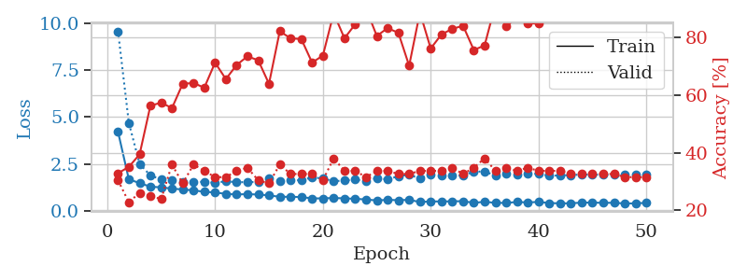
1.4292371714 | 1.6480053145 | 0.36684782609 | 0.25 | 0.086486577988 | 36.684782609 | 25
1.3527348249 | 1.6073846402 | 0.4972826087 | 0.23913043478 | 0.086097002029 | 49.72826087 | 23.913043478
1.2885141995 | 1.6373448009 | 0.51902173913 | 0.26086956522 | 0.085922718048 | 51.902173913 | 26.086956522
1.2361609988 | 1.6728898805 | 0.53532608696 | 0.25 | 0.086098432541 | 53.532608696 | 25
1.174854022 | 1.5506947766 | 0.58152173913 | 0.32608695652 | 0.086058616638 | 58.152173913 | 32.608695652
1.083146541 | 1.6083300632 | 0.51902173913 | 0.30434782609 | 0.086061954498 | 51.902173913 | 30.434782609
1.1228210382 | 1.5880346661 | 0.63315217391 | 0.29347826087 | 0.086066007614 | 63.315217391 | 29.347826087
1.0145329678 | 1.4607324393 | 0.6847826087 | 0.30434782609 | 0.086360931396 | 68.47826087 | 30.434782609
1.0031792236 | 1.5466654819 | 0.69565217391 | 0.30434782609 | 0.085831880569 | 69.565217391 | 30.434782609
0.99120963916 | 1.6654636808 | 0.66304347826 | 0.33695652174 | 0.086025238037 | 66.304347826 | 33.695652174
0.945760644 | 1.6258436493 | 0.65217391304 | 0.23913043478 | 0.085928678513 | 65.217391304 | 23.913043478
0.91812862002 | 1.5767624845 | 0.72010869565 | 0.26086956522 | 0.085834741592 | 72.010869565 | 26.086956522
0.77990525313 | 1.6274531043 | 0.71467391304 | 0.30434782609 | 0.085800647736 | 71.467391304 | 30.434782609
0.85573100525 | 1.7526325972 | 0.70652173913 | 0.26086956522 | 0.086145877838 | 70.652173913 | 26.086956522
0.79443554256 | 1.6393876283 | 0.79619565217 | 0.34782608696 | 0.086282491684 | 79.619565217 | 34.782608696
0.76791522036 | 1.7555880702 | 0.76358695652 | 0.27173913043 | 0.086405038834 | 76.358695652 | 27.173913043
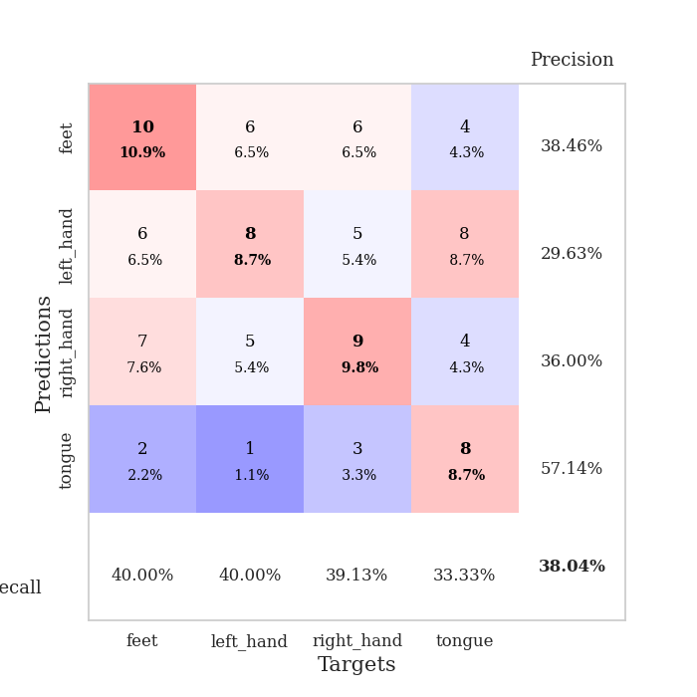
0.75515416135 | 1.6773504226 | 0.83423913043 | 0.32608695652 | 0.086087465286 | 83.423913043 | 32.608695652
0.72472282596 | 1.7377852616 | 0.82608695652 | 0.30434782609 | 0.08633685112 | 82.608695652 | 30.434782609
0.66567813702 | 1.7703488547 | 0.81793478261 | 0.30434782609 | 0.086025714874 | 81.793478261 | 30.434782609
0.68363979977 | 1.8157806189 | 0.76630434783 | 0.32608695652 | 0.086290121078 | 76.630434783 | 32.608695652
0.63835655736 | 1.6967339671 | 0.90489130435 | 0.36956521739 | 0.08643078804 | 90.489130435 | 36.956521739
0.63507946419 | 1.8361489254 | 0.89673913043 | 0.29347826087 | 0.085852146149 | 89.673913043 | 29.347826087
0.6014050796 | 1.7352928908 | 0.90217391304 | 0.29347826087 | 0.085749864578 | 90.217391304 | 29.347826087
0.57951211217 | 1.6779389744 | 0.91576086957 | 0.33695652174 | 0.086327791214 | 91.576086957 | 33.695652174
0.55966319597 | 1.7162599719 | 0.9375 | 0.30434782609 | 0.086170196533 | 93.75 | 30.434782609
0.5668355084 | 1.9284467127 | 0.85597826087 | 0.23913043478 | 0.0862429142 | 85.597826087 | 23.913043478
0.56195350769 | 1.7864369931 | 0.94293478261 | 0.26086956522 | 0.085975408554 | 94.293478261 | 26.086956522
0.54297609822 | 1.8163632103 | 0.91576086957 | 0.3152173913 | 0.086013555527 | 91.576086957 | 31.52173913
0.5080790131 | 1.9137094954 | 0.92663043478 | 0.27173913043 | 0.086140632629 | 92.663043478 | 27.173913043
0.59858078931 | 1.8174617342 | 0.95652173913 | 0.25 | 0.086016178131 | 95.652173913 | 25
0.53093985112 | 1.8724501081 | 0.90217391304 | 0.25 | 0.086331129074 | 90.217391304 | 25
0.48368023854 | 1.8617267557 | 0.89945652174 | 0.26086956522 | 0.086088180542 | 89.945652174 | 26.086956522
0.45481418203 | 1.9035583216 | 0.93206521739 | 0.28260869565 | 0.085875988007 | 93.206521739 | 28.260869565
0.44961432659 | 1.984108505 | 0.95108695652 | 0.28260869565 | 0.086519956589 | 95.108695652 | 28.260869565
0.51805625143 | 1.9471447001 | 0.94836956522 | 0.25 | 0.085709571838 | 94.836956522 | 25
0.43456537827 | 1.9281692142 | 0.94565217391 | 0.25 | 0.094243526459 | 94.565217391 | 25
0.46861605476 | 1.9188735122 | 0.96195652174 | 0.27173913043 | 0.097513437271 | 96.195652174 | 27.173913043
0.42231415795 | 1.9382533768 | 0.95108695652 | 0.28260869565 | 0.086500883102 | 95.108695652 | 28.260869565
0.39279148112 | 1.9585089424 | 0.95108695652 | 0.26086956522 | 0.087490558624 | 95.108695652 | 26.086956522
0.46072694011 | 1.9854642671 | 0.95108695652 | 0.27173913043 | 0.086344242096 | 95.108695652 | 27.173913043
0.42270998851 | 1.9513932518 | 0.95380434783 | 0.27173913043 | 0.085954427719 | 95.380434783 | 27.173913043
0.37987216076 | 1.9554023484 | 0.95923913043 | 0.27173913043 | 0.086661577225 | 95.923913043 | 27.173913043
0.42959236775 | 1.9575309183 | 0.95923913043 | 0.28260869565 | 0.086310148239 | 95.923913043 | 28.260869565
0.39210466134 | 1.964386997 | 0.95652173913 | 0.28260869565 | 0.086083650589 | 95.652173913 | 28.260869565
0.41021914845 | 1.9639253254 | 0.95923913043 | 0.29347826087 | 0.085996627808 | 95.923913043 | 29.347826087
0.3904006371 | 1.9643040066 | 0.96195652174 | 0.29347826087 | 0.086593389511 | 96.195652174 | 29.347826087
0.39190229255 | 1.9633290664 | 0.96195652174 | 0.29347826087 | 0.086670875549 | 96.195652174 | 29.347826087
0.43428545024 | 1.9620271507 | 0.96195652174 | 0.29347826087 | 0.086106061935 | 96.195652174 | 29.347826087

Best Val accuracy is 0.3695652173913043 and Best test accuracy is 0.33620689655172414

