Sheet
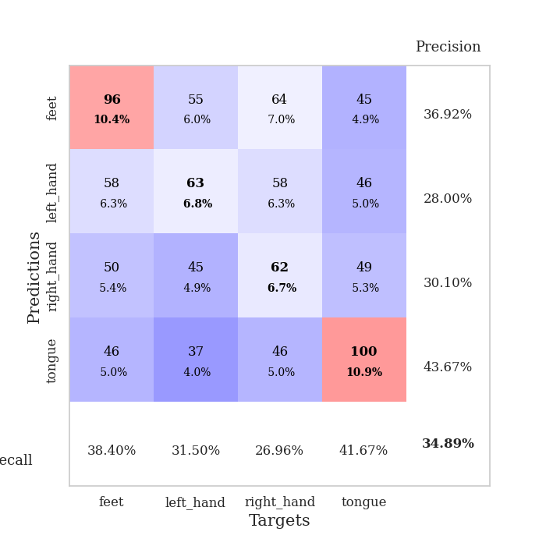
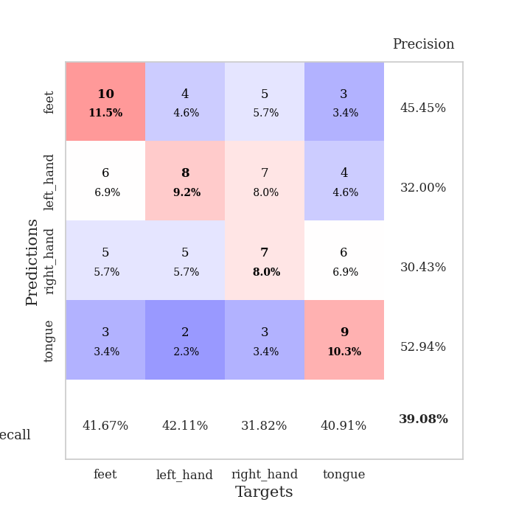
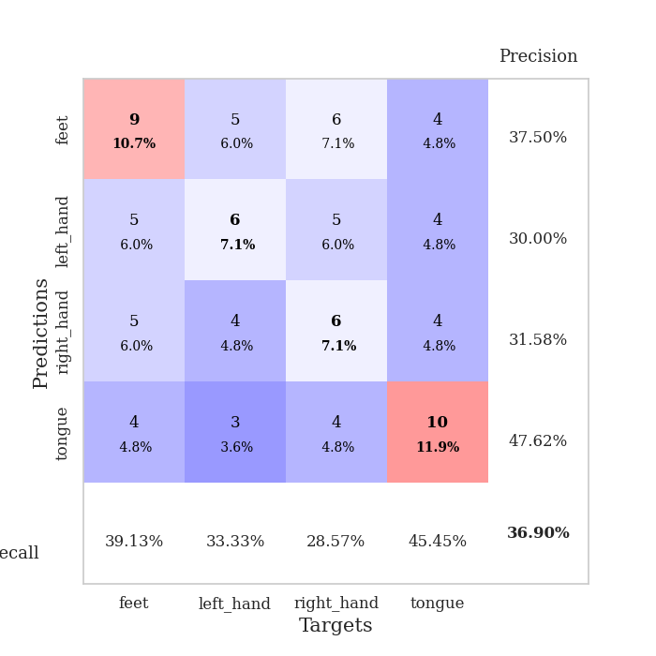
best_val_acc | best_val_los | best_test_acc
0.41304347826 | 1.5146593892 | 0.44827586207
0.36956521739 | 1.6137368938 | 0.35344827586
0.35869565217 | 1.6824036059 | 0.41379310345
0.41304347826 | 1.5895195785 | 0.34482758621
0.33695652174 | 1.7425076443 | 0.30172413793
0.42391304348 | 1.6817228068 | 0.37931034483
0.39130434783 | 1.4257527901 | 0.35344827586
0.38043478261 | 1.5533865638 | 0.29310344828
0.39130434783 | 1.7268696868 | 0.36206896552
0.35869565217 | 1.5250868175 | 0.35344827586

Mean,std Val accuracy is 0.3836956521739131 , 0.028088474555527983 and mean, std test accuracy is 0.3603448275862069 , 0.046299158761201914
best_val_acc | best_val_los | best_test_acc
0.28260869565 | 1.765019479 | 0.31896551724
0.34782608696 | 1.6475725174 | 0.35344827586
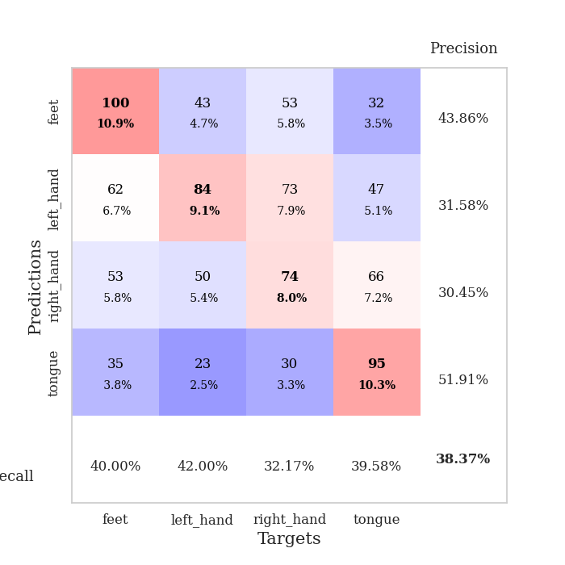
0.40217391304 | 1.5035906408 | 0.43103448276
0.3152173913 | 1.6830747231 | 0.31896551724
0.30434782609 | 1.5809401222 | 0.28448275862
0.3152173913 | 1.7680813592 | 0.28448275862
0.42391304348 | 1.4076676783 | 0.40517241379
0.38043478261 | 1.6608384537 | 0.31034482759
0.32608695652 | 1.6689940328 | 0.36206896552
0.39130434783 | 1.5919619436 | 0.31896551724

Mean,std Val accuracy is 0.3489130434782609 , 0.04764182774949708 and mean, std test accuracy is 0.3387931034482759 , 0.048943454637802974

Sheet1
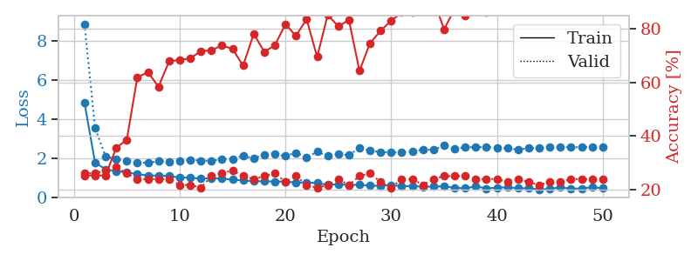
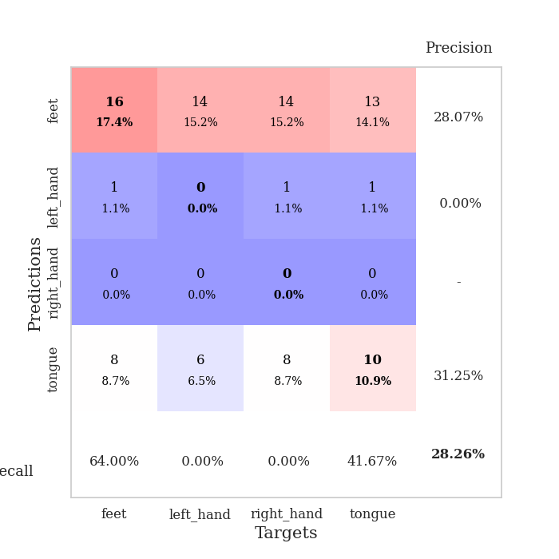
train_loss | valid_loss | train_accuracy | valid_accuracy | dur | train_misclass | valid_misclass
3.2950807913 | 5.4281862715 | 0.24184782609 | 0.27173913043 | 0.082250833511 | 24.184782609 | 27.173913043
1.6400975196 | 3.1206513695 | 0.26902173913 | 0.27173913043 | 0.081138372421 | 26.902173913 | 27.173913043
1.4925044205 | 1.9989989426 | 0.39402173913 | 0.19565217391 | 0.081188440323 | 39.402173913 | 19.565217391
1.2905483686 | 2.2602770018 | 0.32336956522 | 0.29347826087 | 0.083450555801 | 32.336956522 | 29.347826087
1.2610448443 | 1.6294534258 | 0.54619565217 | 0.34782608696 | 0.082412719727 | 54.619565217 | 34.782608696
1.1183263323 | 1.6854681554 | 0.61956521739 | 0.30434782609 | 0.083619117737 | 61.956521739 | 30.434782609
1.0839115252 | 1.7732576339 | 0.63586956522 | 0.23913043478 | 0.081547498703 | 63.586956522 | 23.913043478
1.0613360405 | 1.6218232435 | 0.70923913043 | 0.32608695652 | 0.08159995079 | 70.923913043 | 32.608695652
0.97752809265 | 1.6236099575 | 0.77717391304 | 0.34782608696 | 0.081807613373 | 77.717391304 | 34.782608696
0.94609059199 | 1.6165426918 | 0.75815217391 | 0.33695652174 | 0.08141875267 | 75.815217391 | 33.695652174
0.89931427396 | 1.5146593892 | 0.82608695652 | 0.41304347826 | 0.081608772278 | 82.608695652 | 41.304347826
0.86738731809 | 1.7746365329 | 0.79619565217 | 0.36956521739 | 0.081750631332 | 79.619565217 | 36.956521739
0.82425410462 | 1.8069459874 | 0.84782608696 | 0.34782608696 | 0.081495523453 | 84.782608696 | 34.782608696
0.82818398139 | 1.6609837853 | 0.85597826087 | 0.41304347826 | 0.081456661224 | 85.597826087 | 41.304347826
0.72768120921 | 1.7829162504 | 0.77717391304 | 0.35869565217 | 0.082790374756 | 77.717391304 | 35.869565217
0.75152470755 | 1.6760901783 | 0.84510869565 | 0.35869565217 | 0.081001520157 | 84.510869565 | 35.869565217
0.73132623149 | 1.6740803045 | 0.85597826087 | 0.39130434783 | 0.080674171448 | 85.597826087 | 39.130434783
0.66106938797 | 1.7272578582 | 0.88586956522 | 0.38043478261 | 0.081243276596 | 88.586956522 | 38.043478261
0.63168944354 | 1.8380806757 | 0.88586956522 | 0.41304347826 | 0.080833911896 | 88.586956522 | 41.304347826
0.61155325952 | 1.8604256588 | 0.89130434783 | 0.38043478261 | 0.081188201904 | 89.130434783 | 38.043478261
0.58898920339 | 2.1109779348 | 0.79891304348 | 0.32608695652 | 0.080779075623 | 79.891304348 | 32.608695652
0.58345614438 | 1.9052449465 | 0.88858695652 | 0.34782608696 | 0.080889463425 | 88.858695652 | 34.782608696
0.54092676873 | 2.0103818852 | 0.8722826087 | 0.34782608696 | 0.080797672272 | 87.22826087 | 34.782608696
0.48120441385 | 1.7833822292 | 0.94565217391 | 0.39130434783 | 0.081119060516 | 94.565217391 | 39.130434783
0.56148478 | 1.9121079911 | 0.9402173913 | 0.36956521739 | 0.080682754517 | 94.02173913 | 36.956521739
0.49326610695 | 1.8931762498 | 0.94293478261 | 0.38043478261 | 0.081056833267 | 94.293478261 | 38.043478261
0.47019983115 | 1.9290858611 | 0.94836956522 | 0.39130434783 | 0.080833911896 | 94.836956522 | 39.130434783
0.47721426383 | 1.9166517724 | 0.95923913043 | 0.35869565217 | 0.080743312836 | 95.923913043 | 35.869565217
0.42754475578 | 1.9045886631 | 0.9375 | 0.34782608696 | 0.080873727798 | 93.75 | 34.782608696
0.39459906195 | 2.0508684905 | 0.91576086957 | 0.32608695652 | 0.081089019775 | 91.576086957 | 32.608695652
0.46451197176 | 2.0999215997 | 0.92119565217 | 0.32608695652 | 0.08070731163 | 92.119565217 | 32.608695652
0.43993514128 | 2.0621438078 | 0.9347826087 | 0.34782608696 | 0.080887556076 | 93.47826087 | 34.782608696
0.40962076705 | 2.0491020731 | 0.91576086957 | 0.36956521739 | 0.08096575737 | 91.576086957 | 36.956521739
0.37324228753 | 1.9748767614 | 0.93206521739 | 0.34782608696 | 0.081392049789 | 93.206521739 | 34.782608696
0.38405981077 | 1.9535992094 | 0.95380434783 | 0.35869565217 | 0.081060409546 | 95.380434783 | 35.869565217
0.40309374941 | 2.0070721999 | 0.97282608696 | 0.34782608696 | 0.080899953842 | 97.282608696 | 34.782608696
0.35125296401 | 2.0637971266 | 0.98097826087 | 0.30434782609 | 0.080689668655 | 98.097826087 | 30.434782609
0.38812590099 | 2.0885754824 | 0.97554347826 | 0.32608695652 | 0.080831766129 | 97.554347826 | 32.608695652
0.36531229544 | 2.0632996404 | 0.97554347826 | 0.33695652174 | 0.080966949463 | 97.554347826 | 33.695652174
0.3423206641 | 2.0891359526 | 0.97010869565 | 0.33695652174 | 0.080806732178 | 97.010869565 | 33.695652174
0.3538316417 | 2.0943318605 | 0.97282608696 | 0.34782608696 | 0.080837488174 | 97.282608696 | 34.782608696
0.4018444231 | 2.1091020988 | 0.97010869565 | 0.33695652174 | 0.080853939056 | 97.010869565 | 33.695652174
0.35792241796 | 2.0972741428 | 0.97282608696 | 0.33695652174 | 0.081070423126 | 97.282608696 | 33.695652174
0.34840888886 | 2.0987391316 | 0.97282608696 | 0.33695652174 | 0.080853939056 | 97.282608696 | 33.695652174
0.32266863014 | 2.0990162881 | 0.97282608696 | 0.33695652174 | 0.080762624741 | 97.282608696 | 33.695652174
0.33417834082 | 2.1059331687 | 0.97010869565 | 0.34782608696 | 0.080752134323 | 97.010869565 | 34.782608696
0.31706621206 | 2.0994432024 | 0.97554347826 | 0.34782608696 | 0.080764293671 | 97.554347826 | 34.782608696
0.40090327094 | 2.0983803635 | 0.97554347826 | 0.34782608696 | 0.080821752548 | 97.554347826 | 34.782608696
0.35696623312 | 2.0993597818 | 0.97826086957 | 0.34782608696 | 0.080829381943 | 97.826086957 | 34.782608696
0.34232417462 | 2.0989214182 | 0.97826086957 | 0.34782608696 | 0.080596208572 | 97.826086957 | 34.782608696

Best Val accuracy is 0.41304347826086957 and Best test accuracy is 0.4482758620689655
train_loss | valid_loss | train_accuracy | valid_accuracy | dur | train_misclass | valid_misclass
4.8372815951 | 8.8657941196 | 0.2527173913 | 0.26086956522 | 0.088345050812 | 25.27173913 | 26.086956522
1.7686726943 | 3.5495463351 | 0.2527173913 | 0.26086956522 | 0.086163043976 | 25.27173913 | 26.086956522
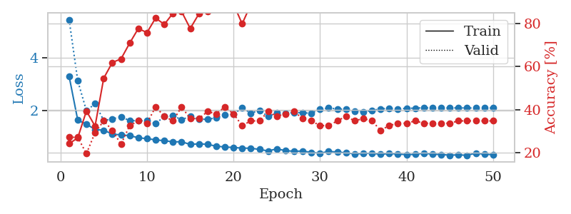
1.4264215283 | 2.0726750934 | 0.2527173913 | 0.27173913043 | 0.087047100067 | 25.27173913 | 27.173913043
1.331148443 | 1.9595859362 | 0.35597826087 | 0.28260869565 | 0.085722208023 | 35.597826087 | 28.260869565
1.2710417198 | 1.8572135645 | 0.38586956522 | 0.26086956522 | 0.085678577423 | 38.586956522 | 26.086956522
1.1772912637 | 1.7706348326 | 0.61956521739 | 0.23913043478 | 0.089223623276 | 61.956521739 | 23.913043478
1.1104668431 | 1.765019479 | 0.63858695652 | 0.23913043478 | 0.088410377502 | 63.858695652 | 23.913043478
1.103315483 | 1.835351861 | 0.58423913043 | 0.23913043478 | 0.086289644241 | 58.423913043 | 23.913043478
1.0775553766 | 1.8298228564 | 0.67934782609 | 0.23913043478 | 0.098801851273 | 67.934782609 | 23.913043478
1.0124351201 | 1.8680356948 | 0.6847826087 | 0.21739130435 | 0.086671113968 | 68.47826087 | 21.739130435
0.99117736454 | 1.902057995 | 0.6902173913 | 0.21739130435 | 0.10021090508 | 69.02173913 | 21.739130435
0.9544460929 | 1.8718798679 | 0.71739130435 | 0.20652173913 | 0.085695266724 | 71.739130435 | 20.652173913
0.96780388252 | 1.8578317736 | 0.72010869565 | 0.25 | 0.085674285889 | 72.010869565 | 25
0.95095289013 | 1.9376800941 | 0.73913043478 | 0.26086956522 | 0.085674524307 | 73.913043478 | 26.086956522
0.89827086355 | 1.951307701 | 0.72554347826 | 0.27173913043 | 0.085798740387 | 72.554347826 | 27.173913043
0.85518866259 | 2.1195051774 | 0.66304347826 | 0.25 | 0.087498903275 | 66.304347826 | 25
0.81384527165 | 1.983912582 | 0.78260869565 | 0.23913043478 | 0.093853712082 | 78.260869565 | 23.913043478
0.81390178592 | 2.1809719023 | 0.71467391304 | 0.25 | 0.089455127716 | 71.467391304 | 25
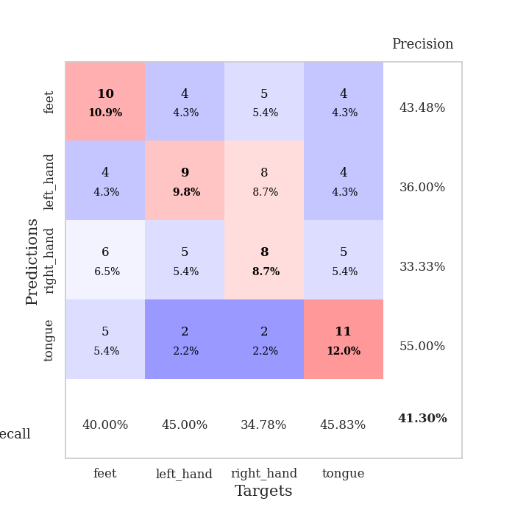
0.7995782961 | 2.1895921645 | 0.73913043478 | 0.26086956522 | 0.085521936417 | 73.913043478 | 26.086956522
0.79830518365 | 2.1068965248 | 0.81793478261 | 0.22826086957 | 0.085837841034 | 81.793478261 | 22.826086957
0.74951963451 | 2.2757907017 | 0.77445652174 | 0.25 | 0.085363864899 | 77.445652174 | 25
0.75034081418 | 2.0449943439 | 0.83695652174 | 0.21739130435 | 0.085525274277 | 83.695652174 | 21.739130435
0.72120513087 | 2.3234652955 | 0.69565217391 | 0.20652173913 | 0.085477352142 | 69.565217391 | 20.652173913
0.63175953082 | 2.1071245463 | 0.85326086957 | 0.21739130435 | 0.086035966873 | 85.326086957 | 21.739130435
0.66142225395 | 2.2012713888 | 0.8097826087 | 0.23913043478 | 0.085775852203 | 80.97826087 | 23.913043478
0.62870319382 | 2.1475134414 | 0.83423913043 | 0.21739130435 | 0.0857026577 | 83.423913043 | 21.739130435
0.6313541091 | 2.5289148973 | 0.64402173913 | 0.25 | 0.085638999939 | 64.402173913 | 25
0.58994715888 | 2.382006272 | 0.7472826087 | 0.26086956522 | 0.086246728897 | 74.72826087 | 26.086956522
0.58399340446 | 2.3134388405 | 0.79347826087 | 0.22826086957 | 0.085383176804 | 79.347826087 | 22.826086957
0.61729439704 | 2.2871930496 | 0.83152173913 | 0.20652173913 | 0.085973978043 | 83.152173913 | 20.652173913
0.55929470775 | 2.2887085417 | 0.86141304348 | 0.23913043478 | 0.087576389313 | 86.141304348 | 23.913043478
0.57274947996 | 2.3396866114 | 0.86413043478 | 0.23913043478 | 0.085500478745 | 86.413043478 | 23.913043478
0.53474556622 | 2.4392055843 | 0.86956521739 | 0.21739130435 | 0.085266590118 | 86.956521739 | 21.739130435
0.54099061826 | 2.4290752722 | 0.91032608696 | 0.23913043478 | 0.085042238235 | 91.032608696 | 23.913043478
0.55252942832 | 2.6360200695 | 0.79891304348 | 0.25 | 0.085075855255 | 79.891304348 | 25
0.4830984091 | 2.4735763488 | 0.875 | 0.25 | 0.085114002228 | 87.5 | 25
0.45194961908 | 2.5614334189 | 0.85054347826 | 0.25 | 0.085088253021 | 85.054347826 | 25
0.55551412831 | 2.5516709348 | 0.86956521739 | 0.23913043478 | 0.088213682175 | 86.956521739 | 23.913043478
0.44771243114 | 2.5741951362 | 0.86413043478 | 0.23913043478 | 0.08526134491 | 86.413043478 | 23.913043478
0.4905314303 | 2.539550802 | 0.89673913043 | 0.23913043478 | 0.085633993149 | 89.673913043 | 23.913043478
0.50410555497 | 2.5015949685 | 0.92391304348 | 0.22826086957 | 0.085561275482 | 92.391304348 | 22.826086957
0.45914871343 | 2.4301750038 | 0.94836956522 | 0.23913043478 | 0.085706949234 | 94.836956522 | 23.913043478
0.45524501541 | 2.5075512762 | 0.92391304348 | 0.22826086957 | 0.08599114418 | 92.391304348 | 22.826086957
0.3963566714 | 2.5154541161 | 0.94293478261 | 0.21739130435 | 0.085726737976 | 94.293478261 | 21.739130435
0.42177139352 | 2.5454660395 | 0.93206521739 | 0.22826086957 | 0.085779666901 | 93.206521739 | 22.826086957
0.50549085503 | 2.5593679677 | 0.92663043478 | 0.22826086957 | 0.085587263107 | 92.663043478 | 22.826086957
0.4334670979 | 2.5573784268 | 0.9375 | 0.23913043478 | 0.085729122162 | 93.75 | 23.913043478
0.4506354319 | 2.5579996005 | 0.94293478261 | 0.23913043478 | 0.087958335876 | 94.293478261 | 23.913043478
0.50976501729 | 2.5579205389 | 0.94565217391 | 0.23913043478 | 0.085476636887 | 94.565217391 | 23.913043478
0.46446093075 | 2.5571050333 | 0.94836956522 | 0.23913043478 | 0.085335969925 | 94.836956522 | 23.913043478

Best Val accuracy is 0.2826086956521739 and Best test accuracy is 0.31896551724137934

Sheet2
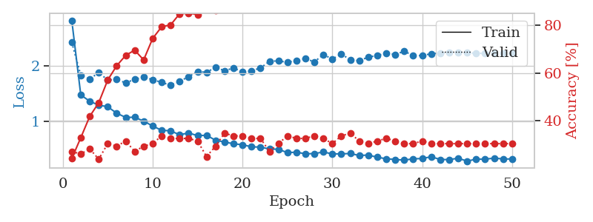
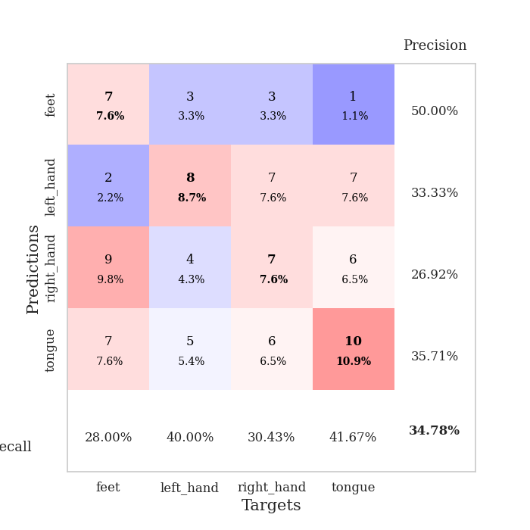
train_loss | valid_loss | train_accuracy | valid_accuracy | dur | train_misclass | valid_misclass
2.5612521379 | 1.8655524928 | 0.25 | 0.3152173913 | 0.082127094269 | 25 | 31.52173913
1.6141467146 | 2.3010131794 | 0.26902173913 | 0.25 | 0.080355644226 | 26.902173913 | 25
1.4627843214 | 2.244256372 | 0.27989130435 | 0.25 | 0.080203294754 | 27.989130435 | 25
1.3259149738 | 1.8604672422 | 0.39402173913 | 0.22826086957 | 0.080281972885 | 39.402173913 | 22.826086957
1.195711097 | 1.7729125852 | 0.5 | 0.27173913043 | 0.080343723297 | 50 | 27.173913043
1.1207079887 | 1.735965791 | 0.54347826087 | 0.29347826087 | 0.0828166008 | 54.347826087 | 29.347826087
1.1037896457 | 1.6137368938 | 0.71467391304 | 0.32608695652 | 0.080713272095 | 71.467391304 | 32.608695652
1.0997666742 | 1.6699361542 | 0.70652173913 | 0.3152173913 | 0.081038951874 | 70.652173913 | 31.52173913
1.0074650386 | 1.7325975532 | 0.76902173913 | 0.32608695652 | 0.080739498138 | 76.902173913 | 32.608695652
0.87538149305 | 1.8600072809 | 0.73641304348 | 0.36956521739 | 0.080796003342 | 73.641304348 | 36.956521739
0.85774054475 | 1.746702386 | 0.83423913043 | 0.35869565217 | 0.081391096115 | 83.423913043 | 35.869565217
0.79927541639 | 1.8481805065 | 0.84239130435 | 0.32608695652 | 0.080956697464 | 84.239130435 | 32.608695652
0.80098782933 | 1.8356051238 | 0.84239130435 | 0.33695652174 | 0.081003189087 | 84.239130435 | 33.695652174
0.70982307844 | 1.7910336878 | 0.8722826087 | 0.3152173913 | 0.081121206284 | 87.22826087 | 31.52173913
0.75098402345 | 1.8547014154 | 0.85597826087 | 0.29347826087 | 0.08080291748 | 85.597826087 | 29.347826087
0.73152266637 | 1.7961821971 | 0.90217391304 | 0.3152173913 | 0.080810308456 | 90.217391304 | 31.52173913
0.6346940761 | 1.8882350766 | 0.90217391304 | 0.27173913043 | 0.081149578094 | 90.217391304 | 27.173913043
0.62858833178 | 1.8227780435 | 0.94293478261 | 0.3152173913 | 0.081060171127 | 94.293478261 | 31.52173913
0.64677911608 | 1.993404689 | 0.89673913043 | 0.27173913043 | 0.080934524536 | 89.673913043 | 27.173913043
0.56741691672 | 1.9906390024 | 0.89945652174 | 0.26086956522 | 0.081233739853 | 89.945652174 | 26.086956522
0.58468404024 | 2.0889005454 | 0.93206521739 | 0.25 | 0.081335306168 | 93.206521739 | 25
0.55345764886 | 2.0471678817 | 0.92391304348 | 0.22826086957 | 0.081233978271 | 92.391304348 | 22.826086957
0.57631812407 | 2.005341478 | 0.86684782609 | 0.22826086957 | 0.081280231476 | 86.684782609 | 22.826086957
0.55708126141 | 1.9299602405 | 0.9375 | 0.26086956522 | 0.081409454346 | 93.75 | 26.086956522
0.54084532676 | 2.079685263 | 0.83152173913 | 0.21739130435 | 0.081681013107 | 83.152173913 | 21.739130435
0.4866681086 | 1.9565967062 | 0.91576086957 | 0.23913043478 | 0.081204891205 | 91.576086957 | 23.913043478
0.4812846741 | 2.0315412231 | 0.89673913043 | 0.23913043478 | 0.081372499466 | 89.673913043 | 23.913043478
0.47670040571 | 2.076390028 | 0.90489130435 | 0.23913043478 | 0.081198215485 | 90.489130435 | 23.913043478
0.51165420594 | 1.9178787418 | 0.96467391304 | 0.27173913043 | 0.081452131271 | 96.467391304 | 27.173913043
0.45268967812 | 1.9799593946 | 0.94565217391 | 0.28260869565 | 0.081284761429 | 94.565217391 | 28.260869565
0.39014186419 | 2.0546131652 | 0.91847826087 | 0.25 | 0.081440925598 | 91.847826087 | 25
0.35232418225 | 1.9948263479 | 0.95923913043 | 0.30434782609 | 0.081386327744 | 95.923913043 | 30.434782609
0.33906678726 | 2.0217988543 | 0.97282608696 | 0.29347826087 | 0.081461668015 | 97.282608696 | 29.347826087
0.40816226083 | 1.9973404718 | 0.97826086957 | 0.3152173913 | 0.081528663635 | 97.826086957 | 31.52173913
0.39401927331 | 2.0135409728 | 0.96739130435 | 0.3152173913 | 0.081291913986 | 96.739130435 | 31.52173913
0.40363366578 | 2.1289465376 | 0.92391304348 | 0.26086956522 | 0.081359386444 | 92.391304348 | 26.086956522
0.42102674492 | 2.0900053408 | 0.91847826087 | 0.30434782609 | 0.0813164711 | 91.847826087 | 30.434782609
0.32969037281 | 2.1036789365 | 0.90489130435 | 0.28260869565 | 0.08163189888 | 90.489130435 | 28.260869565
0.34358400949 | 2.1216371889 | 0.90760869565 | 0.28260869565 | 0.081292629242 | 90.760869565 | 28.260869565
0.29630526414 | 2.1322960646 | 0.9402173913 | 0.27173913043 | 0.08119225502 | 94.02173913 | 27.173913043
0.33595176171 | 2.1029806552 | 0.9402173913 | 0.26086956522 | 0.081231117249 | 94.02173913 | 26.086956522
0.34763326399 | 2.1060762561 | 0.93206521739 | 0.27173913043 | 0.081390142441 | 93.206521739 | 27.173913043
0.35023317065 | 2.101432961 | 0.94293478261 | 0.27173913043 | 0.081216812134 | 94.293478261 | 27.173913043
0.36405034039 | 2.1062694632 | 0.95108695652 | 0.29347826087 | 0.081437587738 | 95.108695652 | 29.347826087
0.3036803953 | 2.1103375476 | 0.94836956522 | 0.28260869565 | 0.081347227097 | 94.836956522 | 28.260869565
0.30240108721 | 2.1132183334 | 0.95380434783 | 0.27173913043 | 0.081305027008 | 95.380434783 | 27.173913043
0.29876588544 | 2.1175897899 | 0.95380434783 | 0.27173913043 | 0.081360340118 | 95.380434783 | 27.173913043
0.35970330174 | 2.114909851 | 0.95923913043 | 0.26086956522 | 0.081525087357 | 95.923913043 | 26.086956522
0.31893901883 | 2.1132371374 | 0.96195652174 | 0.26086956522 | 0.081738948822 | 96.195652174 | 26.086956522
0.34762067801 | 2.1130989116 | 0.96739130435 | 0.26086956522 | 0.081429481506 | 96.739130435 | 26.086956522

Best Val accuracy is 0.3695652173913043 and Best test accuracy is 0.35344827586206895
train_loss | valid_loss | train_accuracy | valid_accuracy | dur | train_misclass | valid_misclass
2.8112166654 | 2.418205935 | 0.24184782609 | 0.27173913043 | 0.087493896484 | 24.184782609 | 27.173913043
1.4738169649 | 1.8240964516 | 0.32880434783 | 0.26086956522 | 0.085667133331 | 32.880434783 | 26.086956522
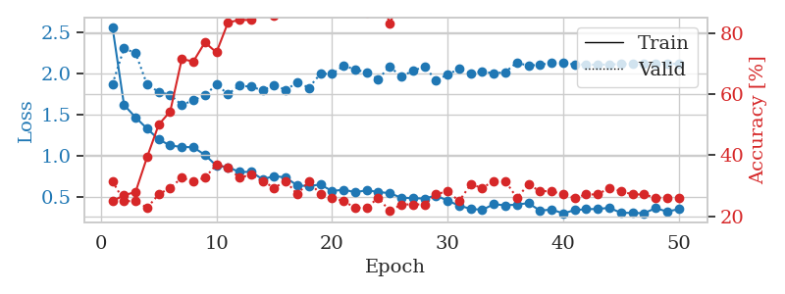
1.357802785 | 1.7567241503 | 0.41847826087 | 0.28260869565 | 0.085884809494 | 41.847826087 | 28.260869565
1.2887342624 | 1.8750138438 | 0.47554347826 | 0.23913043478 | 0.085410833359 | 47.554347826 | 23.913043478
1.2604534108 | 1.7393128768 | 0.57065217391 | 0.30434782609 | 0.085354566574 | 57.065217391 | 30.434782609
1.1438373975 | 1.7532838479 | 0.63043478261 | 0.29347826087 | 0.085827350616 | 63.043478261 | 29.347826087
1.0687564326 | 1.6869041557 | 0.67391304348 | 0.3152173913 | 0.086114645004 | 67.391304348 | 31.52173913
1.0714167823 | 1.7541232576 | 0.69565217391 | 0.27173913043 | 0.085560083389 | 69.565217391 | 27.173913043
1.0018475833 | 1.7925602871 | 0.65489130435 | 0.29347826087 | 0.085404872894 | 65.489130435 | 29.347826087
0.91414430349 | 1.7475751638 | 0.74456521739 | 0.30434782609 | 0.085082054138 | 74.456521739 | 30.434782609
0.83720187778 | 1.6957538646 | 0.79347826087 | 0.33695652174 | 0.085148096085 | 79.347826087 | 33.695652174
0.82797318956 | 1.6475725174 | 0.80163043478 | 0.32608695652 | 0.085687637329 | 80.163043478 | 32.608695652
0.75634497922 | 1.7143469427 | 0.84782608696 | 0.32608695652 | 0.085460662842 | 84.782608696 | 32.608695652
0.7902273743 | 1.8014706788 | 0.85054347826 | 0.32608695652 | 0.085579156876 | 85.054347826 | 32.608695652
0.74048798758 | 1.8931842317 | 0.84510869565 | 0.3152173913 | 0.085681676865 | 84.510869565 | 31.52173913
0.74787072384 | 1.8776655767 | 0.90217391304 | 0.25 | 0.085300207138 | 90.217391304 | 25
0.65813005489 | 1.9690428454 | 0.86141304348 | 0.29347826087 | 0.085820436478 | 86.141304348 | 29.347826087
0.6281450948 | 1.9064887969 | 0.90489130435 | 0.34782608696 | 0.085497617722 | 90.489130435 | 34.782608696
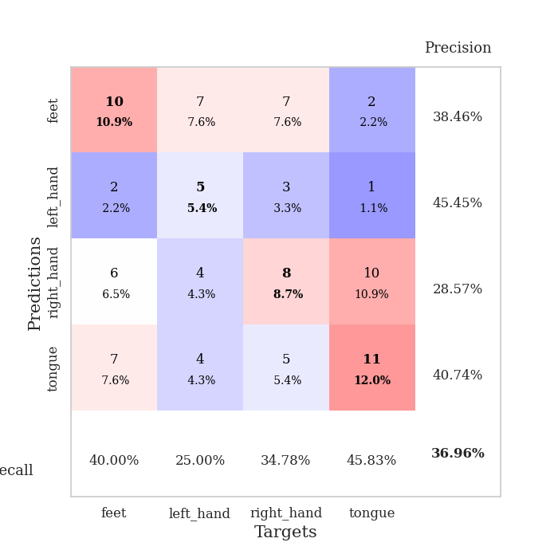
0.59450706062 | 1.9553199592 | 0.875 | 0.33695652174 | 0.085899114609 | 87.5 | 33.695652174
0.57880519007 | 1.8860736152 | 0.92934782609 | 0.33695652174 | 0.085603952408 | 92.934782609 | 33.695652174
0.54016020764 | 1.9055291622 | 0.9375 | 0.32608695652 | 0.08593416214 | 93.75 | 32.608695652
0.53575644739 | 1.9552559593 | 0.97010869565 | 0.32608695652 | 0.08530330658 | 97.010869565 | 32.608695652
0.50167453678 | 2.0755991003 | 0.91304347826 | 0.27173913043 | 0.08499622345 | 91.304347826 | 27.173913043
0.49682157713 | 2.0842419241 | 0.9347826087 | 0.30434782609 | 0.085474729538 | 93.47826087 | 30.434782609
0.43577785401 | 2.0570908578 | 0.94293478261 | 0.33695652174 | 0.085205078125 | 94.293478261 | 33.695652174
0.44484916783 | 2.0897156674 | 0.96195652174 | 0.32608695652 | 0.085186719894 | 96.195652174 | 32.608695652
0.41471878212 | 2.125356783 | 0.96195652174 | 0.32608695652 | 0.08512878418 | 96.195652174 | 32.608695652
0.4195326625 | 2.0661421962 | 0.96195652174 | 0.33695652174 | 0.085649013519 | 96.195652174 | 33.695652174
0.44719629184 | 2.1966730615 | 0.95108695652 | 0.32608695652 | 0.085674762726 | 95.108695652 | 32.608695652
0.41346908393 | 2.1169240786 | 0.97282608696 | 0.30434782609 | 0.085547685623 | 97.282608696 | 30.434782609
0.41450048335 | 2.2072385653 | 0.90760869565 | 0.33695652174 | 0.085426092148 | 90.760869565 | 33.695652174
0.42006783965 | 2.1021114018 | 0.96195652174 | 0.34782608696 | 0.085762500763 | 96.195652174 | 34.782608696
0.38481050989 | 2.0855196818 | 0.97826086957 | 0.3152173913 | 0.085659980774 | 97.826086957 | 31.52173913
0.3927336847 | 2.1525720721 | 0.96467391304 | 0.30434782609 | 0.086729049683 | 96.467391304 | 30.434782609
0.3532033446 | 2.1793301105 | 0.98369565217 | 0.3152173913 | 0.085827112198 | 98.369565217 | 31.52173913
0.32634787035 | 2.2242409354 | 0.97010869565 | 0.32608695652 | 0.085155963898 | 97.010869565 | 32.608695652
0.31321954954 | 2.1992526054 | 0.97826086957 | 0.3152173913 | 0.085125923157 | 97.826086957 | 31.52173913
0.30185873968 | 2.2556852361 | 0.97826086957 | 0.30434782609 | 0.085730552673 | 97.826086957 | 30.434782609
0.32562437168 | 2.1806305906 | 0.99184782609 | 0.30434782609 | 0.085378170013 | 99.184782609 | 30.434782609
0.32978408298 | 2.1780369074 | 0.98913043478 | 0.3152173913 | 0.085596084595 | 98.913043478 | 31.52173913
0.36262978743 | 2.2129892888 | 0.98641304348 | 0.30434782609 | 0.085666894913 | 98.641304348 | 30.434782609
0.31315537024 | 2.2221028701 | 0.98097826087 | 0.30434782609 | 0.085623264313 | 98.097826087 | 30.434782609
0.31133485747 | 2.2350023207 | 0.98097826087 | 0.30434782609 | 0.085779905319 | 98.097826087 | 30.434782609
0.33547490446 | 2.2292142329 | 0.98369565217 | 0.30434782609 | 0.08541560173 | 98.369565217 | 30.434782609
0.28351644783 | 2.2267699864 | 0.98369565217 | 0.30434782609 | 0.089550256729 | 98.369565217 | 30.434782609
0.31930010928 | 2.2224427617 | 0.98369565217 | 0.30434782609 | 0.085457324982 | 98.369565217 | 30.434782609
0.31810179839 | 2.216295657 | 0.98369565217 | 0.30434782609 | 0.085664272308 | 98.369565217 | 30.434782609
0.33836962542 | 2.2154189296 | 0.98369565217 | 0.30434782609 | 0.085994958878 | 98.369565217 | 30.434782609
0.32314134875 | 2.2151364969 | 0.98369565217 | 0.30434782609 | 0.086000204086 | 98.369565217 | 30.434782609
0.3214481473 | 2.2150747983 | 0.98369565217 | 0.30434782609 | 0.086203813553 | 98.369565217 | 30.434782609

Best Val accuracy is 0.34782608695652173 and Best test accuracy is 0.35344827586206895

Sheet3
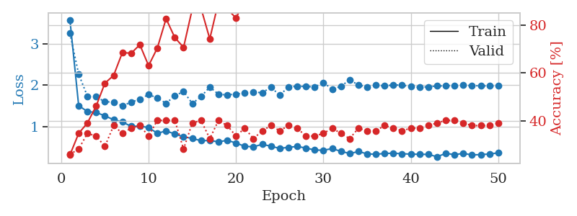
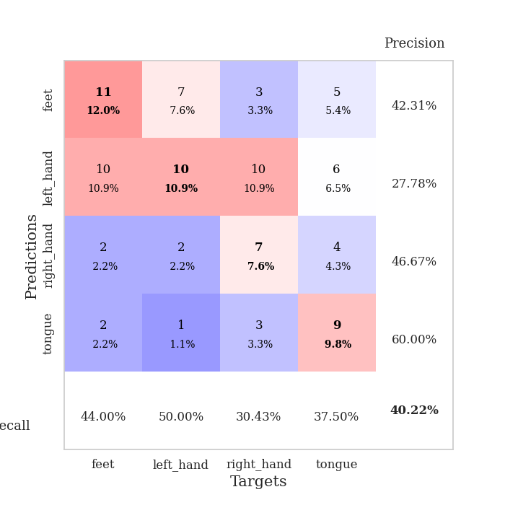
train_loss | valid_loss | train_accuracy | valid_accuracy | dur | train_misclass | valid_misclass
3.870230711 | 2.5284643484 | 0.26358695652 | 0.28260869565 | 0.084389686584 | 26.358695652 | 28.260869565
1.6596829891 | 2.413387848 | 0.32880434783 | 0.27173913043 | 0.080852270126 | 32.880434783 | 27.173913043
1.3437235485 | 1.8456719181 | 0.38586956522 | 0.3152173913 | 0.078660726547 | 38.586956522 | 31.52173913
1.2783444809 | 1.8170252935 | 0.54619565217 | 0.22826086957 | 0.078774452209 | 54.619565217 | 22.826086957
1.2189236309 | 1.7922365769 | 0.65217391304 | 0.27173913043 | 0.078708410263 | 65.217391304 | 27.173913043
1.1689115659 | 1.6824036059 | 0.67934782609 | 0.3152173913 | 0.07892370224 | 67.934782609 | 31.52173913
1.0529413405 | 1.7494257792 | 0.69565217391 | 0.3152173913 | 0.078870296478 | 69.565217391 | 31.52173913
0.96531445047 | 1.7013553277 | 0.71195652174 | 0.28260869565 | 0.082532644272 | 71.195652174 | 28.260869565
0.92798687842 | 1.7746961376 | 0.76358695652 | 0.32608695652 | 0.081141233444 | 76.358695652 | 32.608695652
0.89552904471 | 1.7279762185 | 0.85869565217 | 0.3152173913 | 0.081055164337 | 85.869565217 | 31.52173913
0.79262976543 | 1.761313454 | 0.8097826087 | 0.28260869565 | 0.080954551697 | 80.97826087 | 28.260869565
0.73946518483 | 1.7448275245 | 0.8722826087 | 0.3152173913 | 0.078910827637 | 87.22826087 | 31.52173913
0.77922424285 | 1.9586697247 | 0.80163043478 | 0.27173913043 | 0.078771114349 | 80.163043478 | 27.173913043
0.6739802231 | 1.9468488901 | 0.82608695652 | 0.28260869565 | 0.078718662262 | 82.608695652 | 28.260869565
0.60889299279 | 1.853973285 | 0.92934782609 | 0.33695652174 | 0.07878780365 | 92.934782609 | 33.695652174
0.64804708699 | 1.9592574731 | 0.89673913043 | 0.32608695652 | 0.078825473785 | 89.673913043 | 32.608695652
0.58919113227 | 1.9498442204 | 0.91032608696 | 0.35869565217 | 0.078584909439 | 91.032608696 | 35.869565217
0.55695868964 | 2.0579110954 | 0.92391304348 | 0.3152173913 | 0.078961372375 | 92.391304348 | 31.52173913
0.50688725451 | 2.2051744979 | 0.85326086957 | 0.26086956522 | 0.079263687134 | 85.326086957 | 26.086956522
0.48319810111 | 2.0791486916 | 0.95108695652 | 0.32608695652 | 0.079190254211 | 95.108695652 | 32.608695652
0.46658489173 | 2.0910990135 | 0.9347826087 | 0.35869565217 | 0.079184532166 | 93.47826087 | 35.869565217
0.48738764356 | 2.088213309 | 0.91032608696 | 0.26086956522 | 0.081733703613 | 91.032608696 | 26.086956522
0.47273156436 | 2.078914746 | 0.95923913043 | 0.33695652174 | 0.083259344101 | 95.923913043 | 33.695652174
0.48060469265 | 2.0435146819 | 0.94565217391 | 0.32608695652 | 0.080710172653 | 94.565217391 | 32.608695652
0.39506767625 | 2.2142682283 | 0.95652173913 | 0.3152173913 | 0.080491542816 | 95.652173913 | 31.52173913
0.4558782273 | 2.1903185533 | 0.96467391304 | 0.34782608696 | 0.080942869186 | 96.467391304 | 34.782608696
0.36888096579 | 2.3222282555 | 0.9347826087 | 0.27173913043 | 0.080883264542 | 93.47826087 | 27.173913043
0.40729441721 | 2.3032770572 | 0.95652173913 | 0.30434782609 | 0.080606222153 | 95.652173913 | 30.434782609
0.35549275383 | 2.3268213894 | 0.97554347826 | 0.3152173913 | 0.080449819565 | 97.554347826 | 31.52173913
0.38051385951 | 2.3133654802 | 0.95923913043 | 0.30434782609 | 0.08081817627 | 95.923913043 | 30.434782609
0.36728815281 | 2.2239089479 | 0.97826086957 | 0.32608695652 | 0.080375909805 | 97.826086957 | 32.608695652
0.31670739405 | 2.2230606908 | 0.98369565217 | 0.30434782609 | 0.080390691757 | 98.369565217 | 30.434782609
0.31252415219 | 2.2081813864 | 0.98641304348 | 0.32608695652 | 0.080477237701 | 98.641304348 | 32.608695652
0.31101700858 | 2.1739246742 | 0.98369565217 | 0.32608695652 | 0.08066368103 | 98.369565217 | 32.608695652
0.2619087709 | 2.1889672849 | 0.98369565217 | 0.3152173913 | 0.080763101578 | 98.369565217 | 31.52173913
0.30304691746 | 2.1955498923 | 0.98641304348 | 0.3152173913 | 0.080767154694 | 98.641304348 | 31.52173913
0.29399652682 | 2.2221483355 | 0.98641304348 | 0.30434782609 | 0.081043958664 | 98.641304348 | 30.434782609
0.30592533039 | 2.2448256741 | 0.97554347826 | 0.29347826087 | 0.080955505371 | 97.554347826 | 29.347826087
0.29056425911 | 2.3338622632 | 0.97010869565 | 0.26086956522 | 0.081047058105 | 97.010869565 | 26.086956522
0.27828999026 | 2.3395988838 | 0.97010869565 | 0.27173913043 | 0.08088350296 | 97.010869565 | 27.173913043
0.30107004617 | 2.3104102612 | 0.97554347826 | 0.29347826087 | 0.080896615982 | 97.554347826 | 29.347826087
0.27794878833 | 2.300631575 | 0.98097826087 | 0.29347826087 | 0.081127166748 | 98.097826087 | 29.347826087
0.29908381338 | 2.2864165721 | 0.98369565217 | 0.30434782609 | 0.080780267715 | 98.369565217 | 30.434782609
0.31117250187 | 2.268773421 | 0.98369565217 | 0.30434782609 | 0.080675125122 | 98.369565217 | 30.434782609
0.26374363122 | 2.255432896 | 0.98369565217 | 0.30434782609 | 0.080779075623 | 98.369565217 | 30.434782609
0.2798082592 | 2.2589153622 | 0.98369565217 | 0.30434782609 | 0.08126449585 | 98.369565217 | 30.434782609
0.27825087147 | 2.2568941324 | 0.98369565217 | 0.30434782609 | 0.080729007721 | 98.369565217 | 30.434782609
0.27594885424 | 2.2561304362 | 0.98369565217 | 0.3152173913 | 0.080435991287 | 98.369565217 | 31.52173913
0.31264177353 | 2.2550045615 | 0.98369565217 | 0.3152173913 | 0.080693721771 | 98.369565217 | 31.52173913
0.26345038187 | 2.2551634104 | 0.98369565217 | 0.3152173913 | 0.080422639847 | 98.369565217 | 31.52173913

Best Val accuracy is 0.358695652173913 and Best test accuracy is 0.41379310344827586
train_loss | valid_loss | train_accuracy | valid_accuracy | dur | train_misclass | valid_misclass
3.575875785 | 3.2509505645 | 0.25815217391 | 0.26086956522 | 0.089089632034 | 25.815217391 | 26.086956522
1.5102420112 | 2.2679120872 | 0.34782608696 | 0.28260869565 | 0.086331605911 | 34.782608696 | 28.260869565
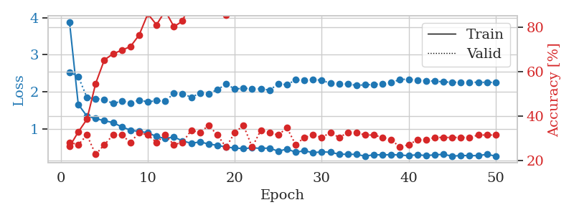
1.3679485477 | 1.7358759331 | 0.39130434783 | 0.34782608696 | 0.088249206543 | 39.130434783 | 34.782608696
1.3442643751 | 1.7239985621 | 0.46195652174 | 0.33695652174 | 0.086445331573 | 46.195652174 | 33.695652174
1.2656632506 | 1.6025672063 | 0.55706521739 | 0.29347826087 | 0.086378574371 | 55.706521739 | 29.347826087
1.1696273322 | 1.595795761 | 0.58967391304 | 0.38043478261 | 0.085973262787 | 58.967391304 | 38.043478261
1.1150015126 | 1.5035906408 | 0.6847826087 | 0.34782608696 | 0.086163520813 | 68.47826087 | 34.782608696
1.0126305611 | 1.5956072963 | 0.68206521739 | 0.36956521739 | 0.085588693619 | 68.206521739 | 36.956521739
1.0158238307 | 1.6619851952 | 0.71739130435 | 0.38043478261 | 0.085830688477 | 71.739130435 | 38.043478261
0.98306791679 | 1.7793461603 | 0.63043478261 | 0.33695652174 | 0.088379383087 | 63.043478261 | 33.695652174
0.84422727124 | 1.6936192772 | 0.70380434783 | 0.40217391304 | 0.086131334305 | 70.380434783 | 40.217391304
0.90099677703 | 1.5646183258 | 0.82608695652 | 0.40217391304 | 0.086376428604 | 82.608695652 | 40.217391304
0.82814452441 | 1.7487233359 | 0.7472826087 | 0.40217391304 | 0.086178541183 | 74.72826087 | 40.217391304
0.7572239767 | 1.8500249593 | 0.70652173913 | 0.28260869565 | 0.089996337891 | 70.652173913 | 28.260869565
0.72179197747 | 1.5619012947 | 0.86684782609 | 0.39130434783 | 0.098448038101 | 86.684782609 | 39.130434783
0.66507425451 | 1.7261916244 | 0.86956521739 | 0.40217391304 | 0.088532686234 | 86.956521739 | 40.217391304
0.67180014693 | 1.9587433908 | 0.74184782609 | 0.32608695652 | 0.086473941803 | 74.184782609 | 32.608695652
0.63755115219 | 1.7822025703 | 0.89673913043 | 0.40217391304 | 0.086538076401 | 89.673913043 | 40.217391304
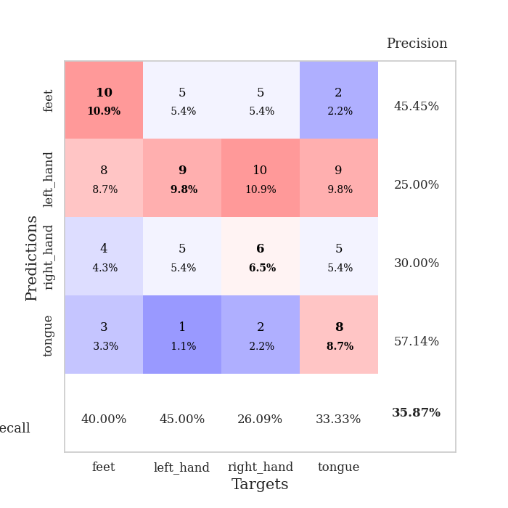
0.67631178058 | 1.7689444241 | 0.86684782609 | 0.38043478261 | 0.086269855499 | 86.684782609 | 38.043478261
0.60893396061 | 1.7890423536 | 0.82880434783 | 0.33695652174 | 0.086075305939 | 82.880434783 | 33.695652174
0.53200391065 | 1.8098941471 | 0.90217391304 | 0.36956521739 | 0.086246967316 | 90.217391304 | 36.956521739
0.51875390955 | 1.8414192096 | 0.88315217391 | 0.32608695652 | 0.086015701294 | 88.315217391 | 32.608695652
0.5799759756 | 1.8170437295 | 0.88586956522 | 0.35869565217 | 0.086241722107 | 88.586956522 | 35.869565217
0.53276087279 | 1.957244956 | 0.89673913043 | 0.38043478261 | 0.085891485214 | 89.673913043 | 38.043478261
0.47985370263 | 1.7563521499 | 0.91847826087 | 0.35869565217 | 0.086177349091 | 91.847826087 | 35.869565217
0.50729991431 | 1.9627328696 | 0.92934782609 | 0.38043478261 | 0.086233139038 | 92.934782609 | 38.043478261
0.52578715008 | 1.9732896608 | 0.88315217391 | 0.36956521739 | 0.087970495224 | 88.315217391 | 36.956521739
0.49035804881 | 1.9727908839 | 0.92119565217 | 0.33695652174 | 0.086295843124 | 92.119565217 | 33.695652174
0.44132696125 | 1.9567524506 | 0.93206521739 | 0.33695652174 | 0.086800098419 | 93.206521739 | 33.695652174
0.4372074319 | 2.0665841569 | 0.91032608696 | 0.34782608696 | 0.086491346359 | 91.032608696 | 34.782608696
0.47448086674 | 1.9072229188 | 0.95108695652 | 0.36956521739 | 0.086414575577 | 95.108695652 | 36.956521739
0.41174724892 | 1.9732824253 | 0.91576086957 | 0.34782608696 | 0.087018489838 | 91.576086957 | 34.782608696
0.35622112583 | 2.1342110219 | 0.92119565217 | 0.32608695652 | 0.086424350739 | 92.119565217 | 32.608695652
0.40434592574 | 2.0058474282 | 0.91576086957 | 0.36956521739 | 0.086058616638 | 91.576086957 | 36.956521739
0.35069977265 | 1.9626729851 | 0.95380434783 | 0.35869565217 | 0.086184978485 | 95.380434783 | 35.869565217
0.33818286722 | 2.0039296617 | 0.95652173913 | 0.35869565217 | 0.086383104324 | 95.652173913 | 35.869565217
0.35978365851 | 1.9864754729 | 0.95923913043 | 0.38043478261 | 0.08628320694 | 95.923913043 | 38.043478261
0.36412348048 | 2.0063571774 | 0.93206521739 | 0.36956521739 | 0.08870100975 | 93.206521739 | 36.956521739
0.35216078616 | 2.0045443566 | 0.94293478261 | 0.35869565217 | 0.086287260056 | 94.293478261 | 35.869565217
0.34363345899 | 1.9651442974 | 0.95108695652 | 0.36956521739 | 0.086173057556 | 95.108695652 | 36.956521739
0.33859836634 | 1.9574045876 | 0.97282608696 | 0.36956521739 | 0.086411952972 | 97.282608696 | 36.956521739
0.33687073413 | 1.9619408794 | 0.98369565217 | 0.38043478261 | 0.086050987244 | 98.369565217 | 38.043478261
0.27886356543 | 1.9830413227 | 0.97554347826 | 0.39130434783 | 0.086733341217 | 97.554347826 | 39.130434783
0.36168780405 | 1.9868650696 | 0.97826086957 | 0.40217391304 | 0.088772535324 | 97.826086957 | 40.217391304
0.33023850361 | 1.9984334811 | 0.97826086957 | 0.40217391304 | 0.089995622635 | 97.826086957 | 40.217391304
0.36067758501 | 2.0013866062 | 0.97826086957 | 0.39130434783 | 0.088497161865 | 97.826086957 | 39.130434783
0.3224002842 | 1.9919218084 | 0.97826086957 | 0.38043478261 | 0.085809230804 | 97.826086957 | 38.043478261
0.33273317406 | 1.9867795861 | 0.98097826087 | 0.38043478261 | 0.086195468903 | 98.097826087 | 38.043478261
0.3449705648 | 1.9846547013 | 0.98097826087 | 0.38043478261 | 0.086178541183 | 98.097826087 | 38.043478261
0.3727715375 | 1.9834436593 | 0.98097826087 | 0.39130434783 | 0.086049318314 | 98.097826087 | 39.130434783

Best Val accuracy is 0.40217391304347827 and Best test accuracy is 0.43103448275862066

Sheet4
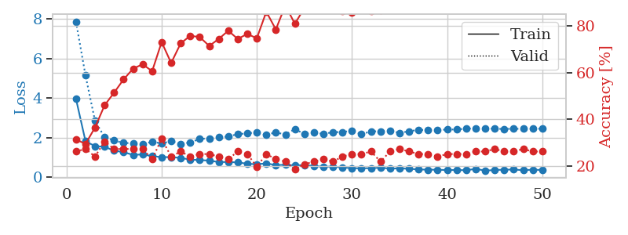
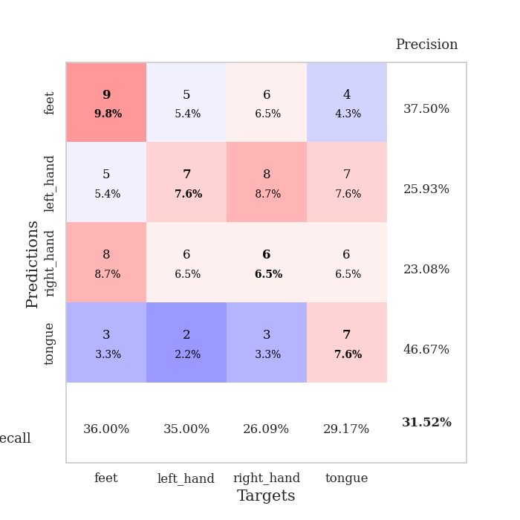
train_loss | valid_loss | train_accuracy | valid_accuracy | dur | train_misclass | valid_misclass
4.4018910035 | 7.8369697488 | 0.24184782609 | 0.27173913043 | 0.082118272781 | 24.184782609 | 27.173913043
1.7071716423 | 3.0119880179 | 0.25 | 0.27173913043 | 0.082121133804 | 25 | 27.173913043
1.4228019248 | 1.5895195785 | 0.33967391304 | 0.28260869565 | 0.079572916031 | 33.967391304 | 28.260869565
1.3045477245 | 1.943762235 | 0.36956521739 | 0.30434782609 | 0.079561710358 | 36.956521739 | 30.434782609
1.2744762923 | 1.7515759209 | 0.46739130435 | 0.28260869565 | 0.079288721085 | 46.739130435 | 28.260869565
1.1737478894 | 1.6541728611 | 0.63315217391 | 0.30434782609 | 0.079420089722 | 63.315217391 | 30.434782609
1.1325566199 | 1.7627774322 | 0.64130434783 | 0.28260869565 | 0.079289197922 | 64.130434783 | 28.260869565
1.0833393802 | 1.8182240154 | 0.70923913043 | 0.27173913043 | 0.079405784607 | 70.923913043 | 27.173913043
0.96787697077 | 1.8570585095 | 0.64945652174 | 0.23913043478 | 0.079405784607 | 64.945652174 | 23.913043478
0.95315730053 | 1.7784968459 | 0.73369565217 | 0.27173913043 | 0.079302072525 | 73.369565217 | 27.173913043
0.93774301332 | 1.8549592547 | 0.67119565217 | 0.23913043478 | 0.079279899597 | 67.119565217 | 23.913043478
0.86371123791 | 1.9185930905 | 0.64402173913 | 0.23913043478 | 0.079282045364 | 64.402173913 | 23.913043478
0.84872226352 | 1.8558877914 | 0.79347826087 | 0.32608695652 | 0.079217195511 | 79.347826087 | 32.608695652
0.73425244378 | 1.8778679267 | 0.77445652174 | 0.34782608696 | 0.079533338547 | 77.445652174 | 34.782608696
0.73358910498 | 1.742289113 | 0.83967391304 | 0.29347826087 | 0.084498167038 | 83.967391304 | 29.347826087
0.71816827162 | 2.0057118198 | 0.70652173913 | 0.23913043478 | 0.081301689148 | 70.652173913 | 23.913043478
0.68150119548 | 1.903536921 | 0.82880434783 | 0.33695652174 | 0.08140540123 | 82.880434783 | 33.695652174
0.63589775821 | 1.9323824748 | 0.75543478261 | 0.27173913043 | 0.081639528275 | 75.543478261 | 27.173913043
0.65634316076 | 2.1479224744 | 0.66847826087 | 0.25 | 0.08154129982 | 66.847826087 | 25
0.64822333533 | 1.9150611473 | 0.88586956522 | 0.30434782609 | 0.081575632095 | 88.586956522 | 30.434782609
0.61116055172 | 1.8667346446 | 0.83967391304 | 0.3152173913 | 0.081463813782 | 83.967391304 | 31.52173913
0.53169545013 | 1.867349578 | 0.86141304348 | 0.33695652174 | 0.081310510635 | 86.141304348 | 33.695652174
0.49528990686 | 1.9838291044 | 0.88586956522 | 0.32608695652 | 0.081713438034 | 88.586956522 | 32.608695652
0.51437099408 | 1.8816913366 | 0.92119565217 | 0.36956521739 | 0.081305027008 | 92.119565217 | 36.956521739
0.54247098448 | 1.9413490917 | 0.83967391304 | 0.34782608696 | 0.081486940384 | 83.967391304 | 34.782608696
0.53692474119 | 1.7620585639 | 0.91576086957 | 0.36956521739 | 0.081510782242 | 91.576086957 | 36.956521739
0.52689302356 | 2.0037412643 | 0.83423913043 | 0.35869565217 | 0.081491708755 | 83.423913043 | 35.869565217
0.44471174673 | 1.9488622365 | 0.96739130435 | 0.36956521739 | 0.081697225571 | 96.739130435 | 36.956521739
0.4574261528 | 1.8214882301 | 0.9347826087 | 0.35869565217 | 0.0813331604 | 93.47826087 | 35.869565217
0.44883505611 | 1.9014562109 | 0.95923913043 | 0.39130434783 | 0.081617832184 | 95.923913043 | 39.130434783
0.43629924629 | 1.9156894632 | 0.92934782609 | 0.38043478261 | 0.082091093063 | 92.934782609 | 38.043478261
0.43062071113 | 1.9022587019 | 0.88858695652 | 0.35869565217 | 0.081381082535 | 88.858695652 | 35.869565217
0.39411628765 | 1.9546290792 | 0.88043478261 | 0.40217391304 | 0.081677436829 | 88.043478261 | 40.217391304
0.38386077175 | 2.0155784928 | 0.85326086957 | 0.36956521739 | 0.081659078598 | 85.326086957 | 36.956521739
0.34616748697 | 1.9477575706 | 0.91847826087 | 0.38043478261 | 0.081579208374 | 91.847826087 | 38.043478261
0.36930476647 | 1.9710497701 | 0.94293478261 | 0.38043478261 | 0.081478834152 | 94.293478261 | 38.043478261
0.3940613205 | 2.1016129929 | 0.88858695652 | 0.39130434783 | 0.081567287445 | 88.858695652 | 39.130434783
0.37511445517 | 1.9989643615 | 0.92663043478 | 0.38043478261 | 0.081463336945 | 92.663043478 | 38.043478261
0.33858177519 | 1.9254970913 | 0.9347826087 | 0.38043478261 | 0.085111379623 | 93.47826087 | 38.043478261
0.39422007553 | 1.9730807802 | 0.9347826087 | 0.38043478261 | 0.083416223526 | 93.47826087 | 38.043478261
0.33445326401 | 1.9731235504 | 0.91847826087 | 0.39130434783 | 0.079814195633 | 91.847826087 | 39.130434783
0.37875812857 | 1.9557451735 | 0.91847826087 | 0.39130434783 | 0.079867839813 | 91.847826087 | 39.130434783
0.31533914804 | 1.9678378105 | 0.92391304348 | 0.40217391304 | 0.080094099045 | 92.391304348 | 40.217391304
0.3705357974 | 1.9320565566 | 0.93206521739 | 0.41304347826 | 0.079725265503 | 93.206521739 | 41.304347826
0.34308498774 | 1.9412416012 | 0.92934782609 | 0.41304347826 | 0.080079078674 | 92.934782609 | 41.304347826
0.31819655811 | 1.9499028092 | 0.93206521739 | 0.41304347826 | 0.079710006714 | 93.206521739 | 41.304347826
0.33924225102 | 1.9471227812 | 0.93206521739 | 0.41304347826 | 0.079806089401 | 93.206521739 | 41.304347826
0.33056564629 | 1.9475870132 | 0.92934782609 | 0.41304347826 | 0.079788446426 | 92.934782609 | 41.304347826
0.35304608747 | 1.946718672 | 0.92934782609 | 0.41304347826 | 0.079849243164 | 92.934782609 | 41.304347826
0.36216390068 | 1.9465569361 | 0.93206521739 | 0.41304347826 | 0.079805612564 | 93.206521739 | 41.304347826

Best Val accuracy is 0.41304347826086957 and Best test accuracy is 0.3448275862068966
train_loss | valid_loss | train_accuracy | valid_accuracy | dur | train_misclass | valid_misclass
3.9570069002 | 7.860472223 | 0.3125 | 0.26086956522 | 0.092047929764 | 31.25 | 26.086956522
1.8172235748 | 5.1420235219 | 0.29347826087 | 0.27173913043 | 0.085865736008 | 29.347826087 | 27.173913043
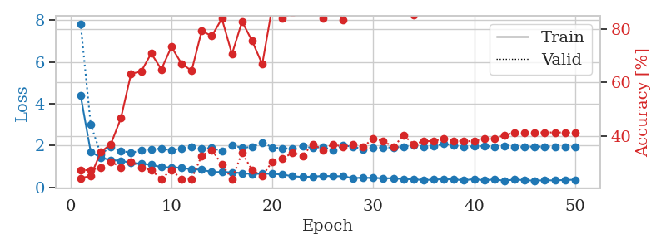
1.5701247765 | 2.84487914 | 0.36413043478 | 0.23913043478 | 0.085920095444 | 36.413043478 | 23.913043478
1.5384042159 | 2.0270603118 | 0.45923913043 | 0.30434782609 | 0.085823297501 | 45.923913043 | 30.434782609
1.342340389 | 1.8535782773 | 0.51358695652 | 0.27173913043 | 0.097805023193 | 51.358695652 | 27.173913043
1.2644794765 | 1.7314691803 | 0.57065217391 | 0.27173913043 | 0.08989906311 | 57.065217391 | 27.173913043
1.1266825847 | 1.7155869888 | 0.61684782609 | 0.27173913043 | 0.088151454926 | 61.684782609 | 27.173913043
1.1508109544 | 1.6855085466 | 0.63586956522 | 0.27173913043 | 0.085437297821 | 63.586956522 | 27.173913043
1.0670582859 | 1.7850301577 | 0.60597826087 | 0.22826086957 | 0.089970111847 | 60.597826087 | 22.826086957
1.0112094801 | 1.7105472865 | 0.73097826087 | 0.3152173913 | 0.088326931 | 73.097826087 | 31.52173913
1.016421813 | 1.8196788301 | 0.64130434783 | 0.23913043478 | 0.090768098831 | 64.130434783 | 23.913043478
0.9735406093 | 1.6830747231 | 0.72554347826 | 0.26086956522 | 0.085601568222 | 72.554347826 | 26.086956522
0.8899219373 | 1.7571258804 | 0.75815217391 | 0.23913043478 | 0.086121082306 | 75.815217391 | 23.913043478
0.86375971981 | 1.9349561826 | 0.7527173913 | 0.25 | 0.085589408875 | 75.27173913 | 25
0.83791225889 | 1.9622971649 | 0.71467391304 | 0.25 | 0.085847139359 | 71.467391304 | 25
0.7650070009 | 2.0185360753 | 0.74456521739 | 0.23913043478 | 0.085525035858 | 74.456521739 | 23.913043478
0.76853824051 | 2.0533294315 | 0.77989130435 | 0.22826086957 | 0.086182832718 | 77.989130435 | 22.826086957
0.74601477514 | 2.1822906007 | 0.74456521739 | 0.26086956522 | 0.085793972015 | 74.456521739 | 26.086956522
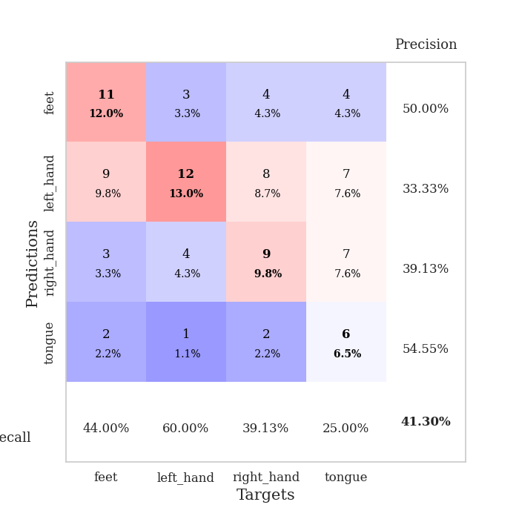
0.67989276544 | 2.2099156017 | 0.76630434783 | 0.25 | 0.085666179657 | 76.630434783 | 25
0.65357276668 | 2.2776658276 | 0.7472826087 | 0.19565217391 | 0.085529327393 | 74.72826087 | 19.565217391
0.69868309342 | 2.1335604657 | 0.86141304348 | 0.25 | 0.085680484772 | 86.141304348 | 25
0.61015690798 | 2.2731927219 | 0.78532608696 | 0.22826086957 | 0.086041927338 | 78.532608696 | 22.826086957
0.62486419082 | 2.1495055686 | 0.88858695652 | 0.21739130435 | 0.085633039474 | 88.858695652 | 21.739130435
0.59514949114 | 2.4335681615 | 0.8097826087 | 0.1847826087 | 0.087797403336 | 80.97826087 | 18.47826087
0.61188428946 | 2.1868720055 | 0.8777173913 | 0.20652173913 | 0.085430860519 | 87.77173913 | 20.652173913
0.57111164927 | 2.2788637255 | 0.88586956522 | 0.21739130435 | 0.085643053055 | 88.586956522 | 21.739130435
0.52129013577 | 2.1778833555 | 0.91304347826 | 0.22826086957 | 0.086130619049 | 91.304347826 | 22.826086957
0.54056816645 | 2.2854205577 | 0.9402173913 | 0.21739130435 | 0.085576057434 | 94.02173913 | 21.739130435
0.49069648463 | 2.2764704901 | 0.86413043478 | 0.23913043478 | 0.088937282562 | 86.413043478 | 23.913043478
0.45338718399 | 2.3623043454 | 0.85869565217 | 0.25 | 0.086908102036 | 85.869565217 | 25
0.45187842198 | 2.1709373567 | 0.8722826087 | 0.25 | 0.086389541626 | 87.22826087 | 25
0.45380388006 | 2.3182009459 | 0.86413043478 | 0.26086956522 | 0.086274862289 | 86.413043478 | 26.086956522
0.47965467365 | 2.324319145 | 0.86956521739 | 0.21739130435 | 0.085977315903 | 86.956521739 | 21.739130435
0.43426465081 | 2.3594492259 | 0.88858695652 | 0.26086956522 | 0.087228536606 | 88.858695652 | 26.086956522
0.44571258516 | 2.2356337568 | 0.92119565217 | 0.27173913043 | 0.08624458313 | 92.119565217 | 27.173913043
0.4263996592 | 2.3249916201 | 0.875 | 0.26086956522 | 0.085956096649 | 87.5 | 26.086956522
0.38777815518 | 2.3936864656 | 0.90217391304 | 0.25 | 0.088265180588 | 90.217391304 | 25
0.38119717266 | 2.3807973395 | 0.93206521739 | 0.25 | 0.086772441864 | 93.206521739 | 25
0.37364692792 | 2.379185122 | 0.92391304348 | 0.23913043478 | 0.086800813675 | 92.391304348 | 23.913043478
0.36002583899 | 2.4134418913 | 0.92663043478 | 0.25 | 0.086322546005 | 92.663043478 | 25
0.3626114454 | 2.4089228796 | 0.91576086957 | 0.25 | 0.087472200394 | 91.576086957 | 25
0.35067559196 | 2.4592741728 | 0.90760869565 | 0.25 | 0.086102247238 | 90.760869565 | 25
0.41824164209 | 2.4631507967 | 0.91032608696 | 0.26086956522 | 0.086743593216 | 91.032608696 | 26.086956522
0.33300495148 | 2.4739573313 | 0.91847826087 | 0.26086956522 | 0.085965156555 | 91.847826087 | 26.086956522
0.36056617939 | 2.4460800472 | 0.92663043478 | 0.27173913043 | 0.085883140564 | 92.663043478 | 27.173913043
0.3786856558 | 2.4414387112 | 0.92391304348 | 0.26086956522 | 0.086032152176 | 92.391304348 | 26.086956522
0.38510647481 | 2.4468238095 | 0.92391304348 | 0.26086956522 | 0.085859537125 | 92.391304348 | 26.086956522
0.35278854616 | 2.4475542929 | 0.93206521739 | 0.27173913043 | 0.085933685303 | 93.206521739 | 27.173913043
0.37829552915 | 2.4496191118 | 0.9347826087 | 0.26086956522 | 0.086362123489 | 93.47826087 | 26.086956522
0.36172546122 | 2.452143042 | 0.9347826087 | 0.26086956522 | 0.085693836212 | 93.47826087 | 26.086956522

Best Val accuracy is 0.31521739130434784 and Best test accuracy is 0.31896551724137934

Sheet5
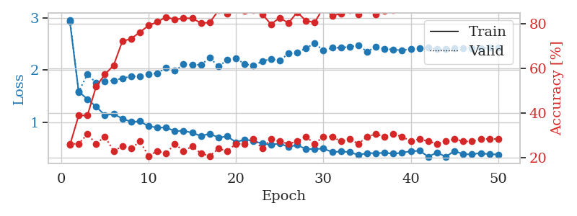
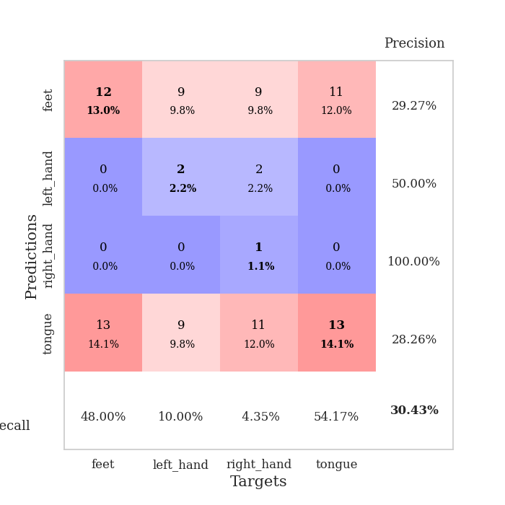
train_loss | valid_loss | train_accuracy | valid_accuracy | dur | train_misclass | valid_misclass
3.7031561966 | 11.182427489 | 0.26358695652 | 0.26086956522 | 0.081296205521 | 26.358695652 | 26.086956522
1.6529342973 | 4.5040337417 | 0.29619565217 | 0.26086956522 | 0.081187725067 | 29.619565217 | 26.086956522
1.4835839375 | 2.634961999 | 0.33695652174 | 0.27173913043 | 0.079661130905 | 33.695652174 | 27.173913043
1.3728938051 | 1.8687420047 | 0.5027173913 | 0.29347826087 | 0.081207513809 | 50.27173913 | 29.347826087
1.2527567096 | 1.9210741675 | 0.52989130435 | 0.3152173913 | 0.08030128479 | 52.989130435 | 31.52173913
1.2561237916 | 1.7713544939 | 0.58423913043 | 0.28260869565 | 0.080315828323 | 58.423913043 | 28.260869565
1.1240828944 | 1.7442602075 | 0.60326086957 | 0.27173913043 | 0.080433607101 | 60.326086957 | 27.173913043
1.1024549448 | 1.7425076443 | 0.64402173913 | 0.25 | 0.080384969711 | 64.402173913 | 25
1.0918719846 | 1.8126588749 | 0.59782608696 | 0.25 | 0.080309391022 | 59.782608696 | 25
1.090561605 | 1.8001392613 | 0.6875 | 0.22826086957 | 0.08007979393 | 68.75 | 22.826086957
0.9680289367 | 1.8869805284 | 0.60869565217 | 0.23913043478 | 0.080184698105 | 60.869565217 | 23.913043478
0.96812030543 | 1.8670864779 | 0.69565217391 | 0.22826086957 | 0.080216407776 | 69.565217391 | 22.826086957
0.90420768831 | 1.9498986317 | 0.70108695652 | 0.22826086957 | 0.080284357071 | 70.108695652 | 22.826086957
0.86390828438 | 1.7973246419 | 0.70108695652 | 0.30434782609 | 0.080327987671 | 70.108695652 | 30.434782609
0.84830566593 | 1.9623912314 | 0.71467391304 | 0.26086956522 | 0.080178260803 | 71.467391304 | 26.086956522
0.76082228189 | 1.8543325663 | 0.84510869565 | 0.3152173913 | 0.08044052124 | 84.510869565 | 31.52173913
0.73541952994 | 2.0543690246 | 0.80163043478 | 0.28260869565 | 0.080592632294 | 80.163043478 | 28.260869565
0.70231226864 | 2.0733916293 | 0.82608695652 | 0.25 | 0.080874919891 | 82.608695652 | 25
0.70031880814 | 2.0336851296 | 0.8722826087 | 0.29347826087 | 0.080700159073 | 87.22826087 | 29.347826087
0.64990323523 | 2.1467319312 | 0.82608695652 | 0.27173913043 | 0.080634117126 | 82.608695652 | 27.173913043
0.57663846146 | 2.2558142672 | 0.78260869565 | 0.26086956522 | 0.080803871155 | 78.260869565 | 26.086956522
0.57548423695 | 2.3267586283 | 0.85326086957 | 0.26086956522 | 0.080572128296 | 85.326086957 | 26.086956522
0.49008325973 | 2.311905156 | 0.89673913043 | 0.26086956522 | 0.082006692886 | 89.673913043 | 26.086956522
0.53305635504 | 2.2937691367 | 0.81793478261 | 0.23913043478 | 0.079912185669 | 81.793478261 | 23.913043478
0.49085795102 | 2.3991258611 | 0.85869565217 | 0.25 | 0.079635381699 | 85.869565217 | 25
0.54098876274 | 2.4110515791 | 0.84239130435 | 0.22826086957 | 0.079522609711 | 84.239130435 | 22.826086957
0.5121916999 | 2.5528104461 | 0.77717391304 | 0.27173913043 | 0.079601287842 | 77.717391304 | 27.173913043
0.42892678957 | 2.5518678375 | 0.77445652174 | 0.26086956522 | 0.079631090164 | 77.445652174 | 26.086956522
0.41123737524 | 2.4873174844 | 0.83152173913 | 0.28260869565 | 0.079574584961 | 83.152173913 | 28.260869565
0.41047772506 | 2.5368433206 | 0.86684782609 | 0.26086956522 | 0.07970905304 | 86.684782609 | 26.086956522
0.42013564771 | 2.4895779309 | 0.91847826087 | 0.28260869565 | 0.079632759094 | 91.847826087 | 28.260869565
0.35115393478 | 2.5402399146 | 0.88586956522 | 0.26086956522 | 0.079766750336 | 88.586956522 | 26.086956522
0.42023281364 | 2.6937786859 | 0.82608695652 | 0.27173913043 | 0.07972741127 | 82.608695652 | 27.173913043
0.39164741985 | 2.4872440203 | 0.9347826087 | 0.25 | 0.08263874054 | 93.47826087 | 25
0.35705791997 | 2.6204556641 | 0.91032608696 | 0.27173913043 | 0.079803705215 | 91.032608696 | 27.173913043
0.34553371111 | 2.5613192838 | 0.89402173913 | 0.33695652174 | 0.079636096954 | 89.402173913 | 33.695652174
0.38055605409 | 2.6631015695 | 0.83695652174 | 0.27173913043 | 0.079851388931 | 83.695652174 | 27.173913043
0.35771414832 | 2.5537011779 | 0.92663043478 | 0.28260869565 | 0.079606056213 | 92.663043478 | 28.260869565
0.33713085625 | 2.5287453869 | 0.95380434783 | 0.28260869565 | 0.079622030258 | 95.380434783 | 28.260869565
0.33661473575 | 2.6119249593 | 0.94293478261 | 0.27173913043 | 0.079853773117 | 94.293478261 | 27.173913043
0.35582640184 | 2.6280986382 | 0.9347826087 | 0.28260869565 | 0.079806804657 | 93.47826087 | 28.260869565
0.31608604737 | 2.6064891193 | 0.93206521739 | 0.28260869565 | 0.079730510712 | 93.206521739 | 28.260869565
0.29800209338 | 2.5810169604 | 0.94836956522 | 0.28260869565 | 0.079714536667 | 94.836956522 | 28.260869565
0.29418346027 | 2.6000699997 | 0.94565217391 | 0.28260869565 | 0.079628705978 | 94.565217391 | 28.260869565
0.29489018153 | 2.5997947817 | 0.94565217391 | 0.28260869565 | 0.079544305801 | 94.565217391 | 28.260869565
0.30988432143 | 2.603832701 | 0.94565217391 | 0.28260869565 | 0.079616069794 | 94.565217391 | 28.260869565
0.33028363987 | 2.6089397462 | 0.94565217391 | 0.28260869565 | 0.07971405983 | 94.565217391 | 28.260869565
0.2716509499 | 2.6131594648 | 0.94565217391 | 0.28260869565 | 0.079448699951 | 94.565217391 | 28.260869565
0.31192277048 | 2.6154855023 | 0.94565217391 | 0.28260869565 | 0.079680681229 | 94.565217391 | 28.260869565
0.33482870136 | 2.615284645 | 0.94565217391 | 0.28260869565 | 0.079771995544 | 94.565217391 | 28.260869565

Best Val accuracy is 0.33695652173913043 and Best test accuracy is 0.3017241379310345
train_loss | valid_loss | train_accuracy | valid_accuracy | dur | train_misclass | valid_misclass
2.9225882033 | 2.9626391245 | 0.25543478261 | 0.26086956522 | 0.086621999741 | 25.543478261 | 26.086956522
1.5874251075 | 1.5809401222 | 0.38858695652 | 0.26086956522 | 0.085532188416 | 38.858695652 | 26.086956522
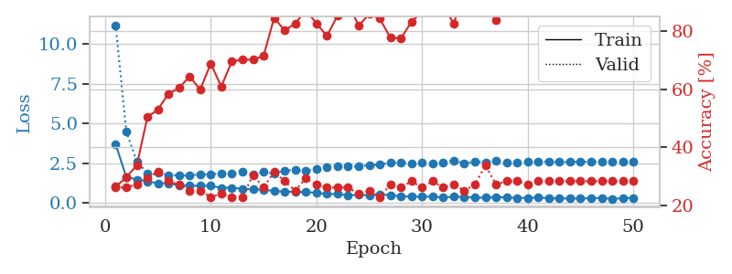
1.4417483185 | 1.9210393377 | 0.38858695652 | 0.30434782609 | 0.086222171783 | 38.858695652 | 30.434782609
1.2986231628 | 1.7532973238 | 0.51902173913 | 0.26086956522 | 0.085970401764 | 51.902173913 | 26.086956522
1.1352990814 | 1.7859664171 | 0.57336956522 | 0.29347826087 | 0.085383892059 | 57.336956522 | 29.347826087
1.1567101919 | 1.8020467914 | 0.61413043478 | 0.22826086957 | 0.085736989975 | 61.413043478 | 22.826086957
1.0700456941 | 1.8421820195 | 0.72282608696 | 0.25 | 0.085862398148 | 72.282608696 | 25
1.0060780152 | 1.8787114776 | 0.73369565217 | 0.23913043478 | 0.086378335953 | 73.369565217 | 23.913043478
1.017416485 | 1.8806834169 | 0.76358695652 | 0.27173913043 | 0.084968805313 | 76.358695652 | 27.173913043
0.92333175307 | 1.9162429727 | 0.79347826087 | 0.20652173913 | 0.085380792618 | 79.347826087 | 20.652173913
0.89641214454 | 1.9390373593 | 0.8097826087 | 0.22826086957 | 0.087854623795 | 80.97826087 | 22.826086957
0.89902839453 | 2.0419805413 | 0.83152173913 | 0.21739130435 | 0.0867664814 | 83.152173913 | 21.739130435
0.82861594014 | 1.9836844569 | 0.82065217391 | 0.26086956522 | 0.086146831512 | 82.065217391 | 26.086956522
0.83721960109 | 2.1073452856 | 0.82608695652 | 0.22826086957 | 0.085675001144 | 82.608695652 | 22.826086957
0.79634730324 | 2.0988061946 | 0.82608695652 | 0.25 | 0.086160421371 | 82.608695652 | 25
0.73559486996 | 2.1021626929 | 0.80434782609 | 0.21739130435 | 0.086483001709 | 80.434782609 | 21.739130435
0.78066719745 | 2.2329564354 | 0.80706521739 | 0.20652173913 | 0.086546182632 | 80.706521739 | 20.652173913
0.70538755992 | 2.071109808 | 0.86141304348 | 0.23913043478 | 0.086159229279 | 86.141304348 | 23.913043478
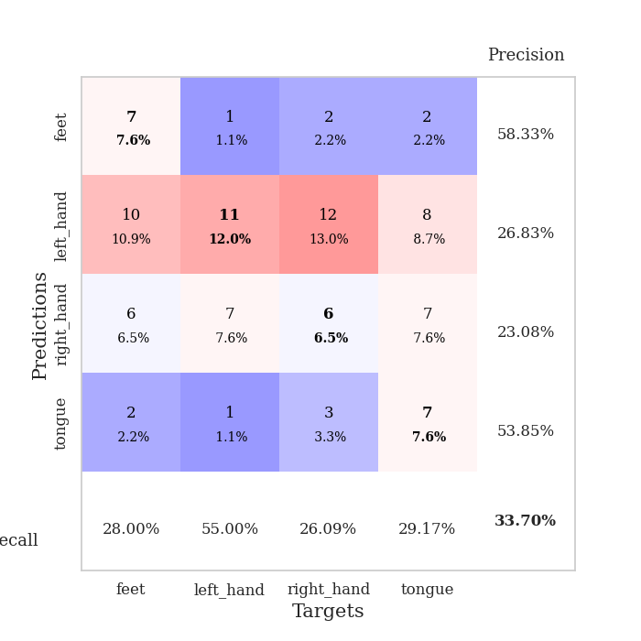
0.72919312767 | 2.190229618 | 0.84782608696 | 0.22826086957 | 0.085787057877 | 84.782608696 | 22.826086957
0.61531591545 | 2.2187010724 | 0.8777173913 | 0.26086956522 | 0.085993289948 | 87.77173913 | 26.086956522
0.6711807549 | 2.1178269853 | 0.85869565217 | 0.26086956522 | 0.08597612381 | 85.869565217 | 26.086956522
0.63959182086 | 2.0806224087 | 0.86413043478 | 0.28260869565 | 0.08537364006 | 86.413043478 | 28.260869565
0.59160737629 | 2.1689275089 | 0.84510869565 | 0.23913043478 | 0.092225313187 | 84.510869565 | 23.913043478
0.56342432227 | 2.2128535198 | 0.79891304348 | 0.28260869565 | 0.086033344269 | 79.891304348 | 28.260869565
0.59561222533 | 2.1782918391 | 0.82880434783 | 0.27173913043 | 0.085930109024 | 82.880434783 | 27.173913043
0.52393375531 | 2.3186667225 | 0.80434782609 | 0.26086956522 | 0.085290908813 | 80.434782609 | 26.086956522
0.56641724447 | 2.3391830144 | 0.85326086957 | 0.27173913043 | 0.085955142975 | 85.326086957 | 27.173913043
0.48241689218 | 2.4151458326 | 0.8152173913 | 0.29347826087 | 0.085812568665 | 81.52173913 | 29.347826087
0.48713126066 | 2.5168680004 | 0.80706521739 | 0.26086956522 | 0.085416316986 | 80.706521739 | 26.086956522
0.4939348756 | 2.3696737652 | 0.875 | 0.29347826087 | 0.085646629333 | 87.5 | 29.347826087
0.42885852152 | 2.4273193556 | 0.83695652174 | 0.29347826087 | 0.085972547531 | 83.695652174 | 29.347826087
0.43760804702 | 2.4265158695 | 0.84782608696 | 0.27173913043 | 0.085797786713 | 84.782608696 | 27.173913043
0.42937736667 | 2.4452614007 | 0.86413043478 | 0.28260869565 | 0.085941553116 | 86.413043478 | 28.260869565
0.37092651168 | 2.4694464673 | 0.84510869565 | 0.26086956522 | 0.085788249969 | 84.510869565 | 26.086956522
0.4092287486 | 2.3553613735 | 0.8777173913 | 0.29347826087 | 0.086380720139 | 87.77173913 | 29.347826087
0.40616531767 | 2.4411573358 | 0.84239130435 | 0.30434782609 | 0.085494756699 | 84.239130435 | 30.434782609
0.41384262559 | 2.4083802959 | 0.85869565217 | 0.29347826087 | 0.085827112198 | 85.869565217 | 29.347826087
0.3964445578 | 2.3900427196 | 0.86413043478 | 0.30434782609 | 0.086785793304 | 86.413043478 | 30.434782609
0.41470070378 | 2.3805754237 | 0.88586956522 | 0.29347826087 | 0.086562395096 | 88.586956522 | 29.347826087
0.44415377016 | 2.4007037878 | 0.89673913043 | 0.27173913043 | 0.086324691772 | 89.673913043 | 27.173913043
0.45187409093 | 2.4138941298 | 0.90217391304 | 0.28260869565 | 0.086294412613 | 90.217391304 | 28.260869565
0.34082781135 | 2.4254092289 | 0.89402173913 | 0.27173913043 | 0.086025953293 | 89.402173913 | 27.173913043
0.41907554606 | 2.3987172116 | 0.90217391304 | 0.26086956522 | 0.085911989212 | 90.217391304 | 26.086956522
0.33763197907 | 2.3987714467 | 0.90217391304 | 0.27173913043 | 0.085894346237 | 90.217391304 | 27.173913043
0.45099081423 | 2.4119617213 | 0.89130434783 | 0.28260869565 | 0.085522890091 | 89.130434783 | 28.260869565
0.38466723587 | 2.4144102439 | 0.89402173913 | 0.27173913043 | 0.085671424866 | 89.402173913 | 27.173913043
0.38624784545 | 2.4240669634 | 0.89945652174 | 0.27173913043 | 0.085755109787 | 89.945652174 | 27.173913043
0.40927026907 | 2.4243528532 | 0.89945652174 | 0.28260869565 | 0.085970401764 | 89.945652174 | 28.260869565
0.38475625606 | 2.426332935 | 0.89945652174 | 0.28260869565 | 0.086015701294 | 89.945652174 | 28.260869565
0.38229019875 | 2.42713497 | 0.89945652174 | 0.28260869565 | 0.085829257965 | 89.945652174 | 28.260869565

Best Val accuracy is 0.30434782608695654 and Best test accuracy is 0.28448275862068967

Sheet6
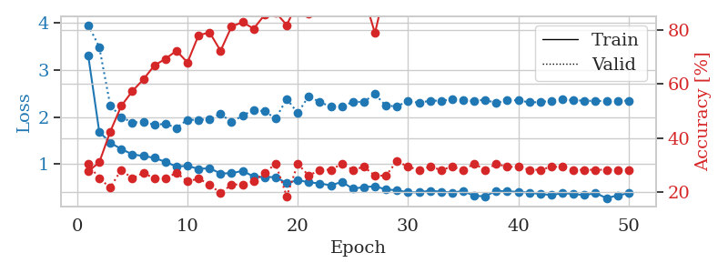
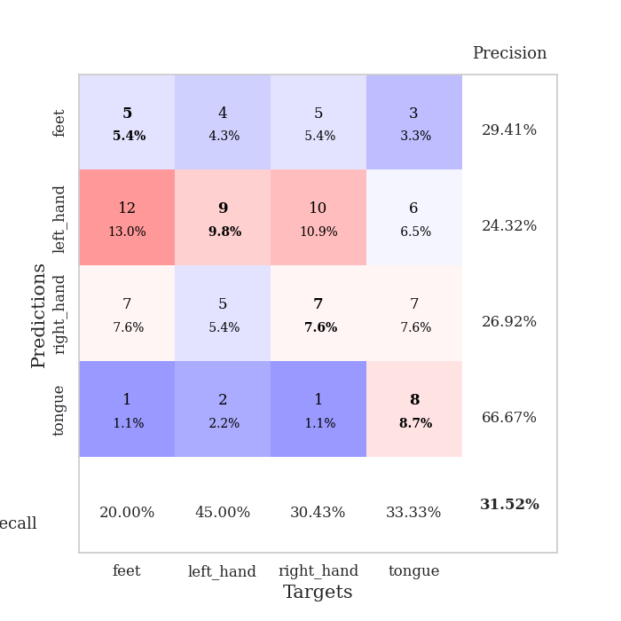
train_loss | valid_loss | train_accuracy | valid_accuracy | dur | train_misclass | valid_misclass
4.288026706 | 2.9392877662 | 0.29076086957 | 0.23913043478 | 0.08297586441 | 29.076086957 | 23.913043478
1.6185026117 | 1.8676671049 | 0.31793478261 | 0.27173913043 | 0.080948352814 | 31.793478261 | 27.173913043
1.452883793 | 1.8184242093 | 0.33967391304 | 0.27173913043 | 0.080137729645 | 33.967391304 | 27.173913043
1.4058337367 | 1.7076691752 | 0.44565217391 | 0.30434782609 | 0.080061197281 | 44.565217391 | 30.434782609
1.3182615767 | 1.6817228068 | 0.5652173913 | 0.27173913043 | 0.080629348755 | 56.52173913 | 27.173913043
1.2977130724 | 1.710801617 | 0.60597826087 | 0.28260869565 | 0.080296278 | 60.597826087 | 28.260869565
1.1565167023 | 1.6944580285 | 0.67391304348 | 0.32608695652 | 0.080129861832 | 67.391304348 | 32.608695652
1.0856687608 | 1.7373303486 | 0.6847826087 | 0.30434782609 | 0.080463647842 | 68.47826087 | 30.434782609
1.0730772537 | 1.7549465428 | 0.71195652174 | 0.29347826087 | 0.080235958099 | 71.195652174 | 29.347826087
1.0147807365 | 1.7710204073 | 0.70923913043 | 0.26086956522 | 0.080102682114 | 70.923913043 | 26.086956522
0.93138422914 | 1.8563286895 | 0.72826086957 | 0.3152173913 | 0.080407381058 | 72.826086957 | 31.52173913
0.9364662896 | 1.9809715281 | 0.69293478261 | 0.30434782609 | 0.080546855927 | 69.293478261 | 30.434782609
0.80939074185 | 1.8297676418 | 0.7527173913 | 0.30434782609 | 0.080025434494 | 75.27173913 | 30.434782609
0.79822024962 | 1.8951797226 | 0.79347826087 | 0.36956521739 | 0.080341339111 | 79.347826087 | 36.956521739
0.8350476791 | 1.8803404881 | 0.77173913043 | 0.35869565217 | 0.080450534821 | 77.173913043 | 35.869565217
0.75054346479 | 1.9599771966 | 0.73369565217 | 0.33695652174 | 0.079935312271 | 73.369565217 | 33.695652174
0.69892010093 | 1.9761832486 | 0.77717391304 | 0.32608695652 | 0.080194950104 | 77.717391304 | 32.608695652
0.66976505388 | 2.1295738272 | 0.67663043478 | 0.26086956522 | 0.080225467682 | 67.663043478 | 26.086956522
0.69898123715 | 1.9238121872 | 0.84510869565 | 0.40217391304 | 0.082721710205 | 84.510869565 | 40.217391304
0.70952972511 | 1.9286885728 | 0.86413043478 | 0.42391304348 | 0.080233812332 | 86.413043478 | 42.391304348
0.64798166959 | 1.8023198532 | 0.90489130435 | 0.38043478261 | 0.080182313919 | 90.489130435 | 38.043478261
0.63383426874 | 2.0500064518 | 0.73913043478 | 0.32608695652 | 0.080235481262 | 73.913043478 | 32.608695652
0.55175952419 | 1.9719957321 | 0.85326086957 | 0.35869565217 | 0.080290317535 | 85.326086957 | 35.869565217
0.56553278539 | 2.3127767832 | 0.77173913043 | 0.32608695652 | 0.079927206039 | 77.173913043 | 32.608695652
0.58472292708 | 2.2317237647 | 0.78804347826 | 0.33695652174 | 0.080147981644 | 78.804347826 | 33.695652174
0.47760574455 | 2.2315271108 | 0.76902173913 | 0.28260869565 | 0.080099582672 | 76.902173913 | 28.260869565
0.48188207137 | 2.1574367285 | 0.8125 | 0.29347826087 | 0.080075979233 | 81.25 | 29.347826087
0.49021165915 | 2.2527129339 | 0.75543478261 | 0.29347826087 | 0.080116271973 | 75.543478261 | 29.347826087
0.43402573466 | 2.2609289418 | 0.85054347826 | 0.30434782609 | 0.082079648972 | 85.054347826 | 30.434782609
0.48087889215 | 2.2217679231 | 0.8722826087 | 0.35869565217 | 0.080158948898 | 87.22826087 | 35.869565217
0.4018706012 | 2.2353018626 | 0.85869565217 | 0.33695652174 | 0.080139875412 | 85.869565217 | 33.695652174
0.4095767555 | 2.2652969671 | 0.8097826087 | 0.30434782609 | 0.08007311821 | 80.97826087 | 30.434782609
0.41044324701 | 2.2610297203 | 0.86413043478 | 0.33695652174 | 0.080005884171 | 86.413043478 | 33.695652174
0.40668618549 | 2.2927357736 | 0.86413043478 | 0.34782608696 | 0.07999920845 | 86.413043478 | 34.782608696
0.47535608255 | 2.2300858187 | 0.90760869565 | 0.32608695652 | 0.079923391342 | 90.760869565 | 32.608695652
0.36978524016 | 2.3547473783 | 0.86956521739 | 0.34782608696 | 0.080029249191 | 86.956521739 | 34.782608696
0.36589671995 | 2.3426543008 | 0.875 | 0.33695652174 | 0.080137014389 | 87.5 | 33.695652174
0.33326801075 | 2.3754258052 | 0.86956521739 | 0.33695652174 | 0.080187797546 | 86.956521739 | 33.695652174
0.34023886466 | 2.3659975943 | 0.88043478261 | 0.34782608696 | 0.08022069931 | 88.043478261 | 34.782608696
0.36228956282 | 2.4208925185 | 0.88315217391 | 0.33695652174 | 0.079940795898 | 88.315217391 | 33.695652174
0.35743979429 | 2.3867403321 | 0.90760869565 | 0.33695652174 | 0.080045938492 | 90.760869565 | 33.695652174
0.34748637676 | 2.4186362702 | 0.90760869565 | 0.34782608696 | 0.07990026474 | 90.760869565 | 34.782608696
0.33658598623 | 2.3877979258 | 0.91847826087 | 0.34782608696 | 0.079966068268 | 91.847826087 | 34.782608696
0.31416476194 | 2.3635208399 | 0.92391304348 | 0.34782608696 | 0.080033302307 | 92.391304348 | 34.782608696
0.30435592098 | 2.372673895 | 0.92391304348 | 0.34782608696 | 0.080080270767 | 92.391304348 | 34.782608696
0.31227918164 | 2.3850650373 | 0.92663043478 | 0.34782608696 | 0.08003950119 | 92.663043478 | 34.782608696
0.32327749872 | 2.3882321586 | 0.92663043478 | 0.34782608696 | 0.080157995224 | 92.663043478 | 34.782608696
0.3204274887 | 2.3844096868 | 0.93206521739 | 0.34782608696 | 0.080036640167 | 93.206521739 | 34.782608696
0.37415716279 | 2.3849523586 | 0.93206521739 | 0.34782608696 | 0.080008268356 | 93.206521739 | 34.782608696
0.34698224748 | 2.3859742724 | 0.9347826087 | 0.34782608696 | 0.080116510391 | 93.47826087 | 34.782608696

Best Val accuracy is 0.42391304347826086 and Best test accuracy is 0.3793103448275862
train_loss | valid_loss | train_accuracy | valid_accuracy | dur | train_misclass | valid_misclass
3.3046576614 | 3.9501436482 | 0.27717391304 | 0.30434782609 | 0.088305473328 | 27.717391304 | 30.434782609
1.6877227451 | 3.4858123841 | 0.3097826087 | 0.25 | 0.085396766663 | 30.97826087 | 25
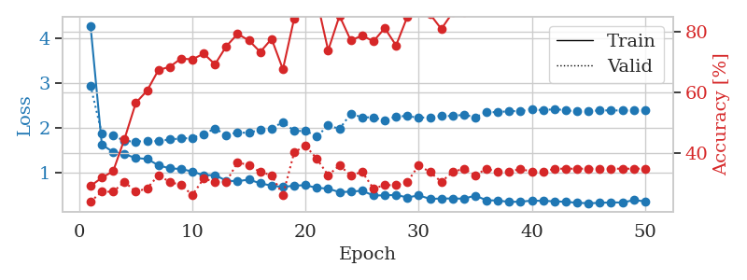
1.4511864393 | 2.240783199 | 0.42391304348 | 0.21739130435 | 0.086591005325 | 42.391304348 | 21.739130435
1.3186643175 | 2.0000344619 | 0.51902173913 | 0.28260869565 | 0.089013338089 | 51.902173913 | 28.260869565
1.2065464517 | 1.8794976525 | 0.57336956522 | 0.25 | 0.089228391647 | 57.336956522 | 25
1.1703707809 | 1.8981737883 | 0.61684782609 | 0.27173913043 | 0.085808038712 | 61.684782609 | 27.173913043
1.1333707156 | 1.8332002422 | 0.66847826087 | 0.25 | 0.085510969162 | 66.847826087 | 25
1.0455822349 | 1.8537864685 | 0.69293478261 | 0.25 | 0.085452079773 | 69.293478261 | 25
0.95049909664 | 1.7680813592 | 0.72282608696 | 0.27173913043 | 0.088267326355 | 72.282608696 | 27.173913043
0.960730576 | 1.9415005549 | 0.67934782609 | 0.23913043478 | 0.085950136185 | 67.934782609 | 23.913043478
0.8986004889 | 1.9366061169 | 0.77989130435 | 0.25 | 0.085421562195 | 77.989130435 | 25
0.91171983532 | 1.9561514595 | 0.79076086957 | 0.22826086957 | 0.10080194473 | 79.076086957 | 22.826086957
0.80060128803 | 2.0617286174 | 0.72282608696 | 0.19565217391 | 0.086267232895 | 72.282608696 | 19.565217391
0.80650954532 | 1.8933811136 | 0.8125 | 0.22826086957 | 0.085226535797 | 81.25 | 22.826086957
0.85624623817 | 2.02832095 | 0.82880434783 | 0.22826086957 | 0.085296392441 | 82.880434783 | 22.826086957
0.73409142702 | 2.1488594646 | 0.80434782609 | 0.23913043478 | 0.085560321808 | 80.434782609 | 23.913043478
0.72374040407 | 2.1198594622 | 0.85597826087 | 0.27173913043 | 0.085269927979 | 85.597826087 | 27.173913043
0.72503989028 | 1.9671305211 | 0.86413043478 | 0.30434782609 | 0.085453748703 | 86.413043478 | 30.434782609
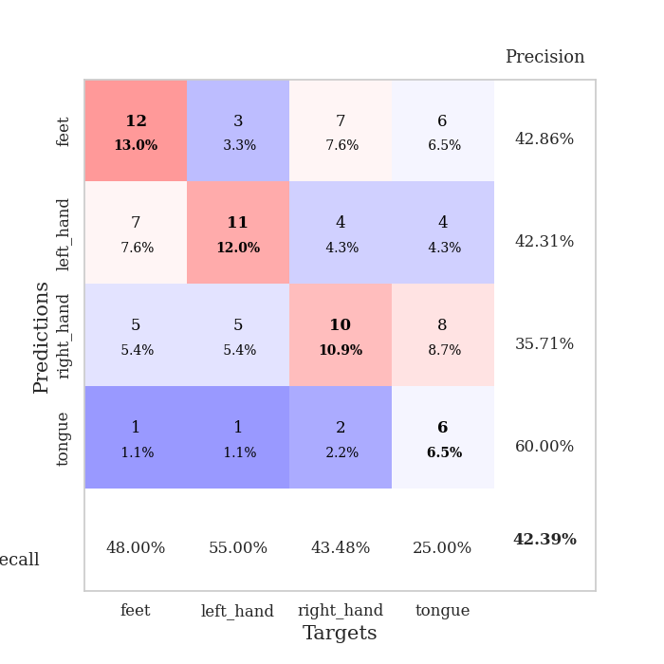
0.59283318856 | 2.3832557305 | 0.81793478261 | 0.1847826087 | 0.08539390564 | 81.793478261 | 18.47826087
0.66108061956 | 2.0825140528 | 0.90217391304 | 0.30434782609 | 0.085327386856 | 90.217391304 | 30.434782609
0.61210726137 | 2.4437865744 | 0.86141304348 | 0.26086956522 | 0.085453271866 | 86.141304348 | 26.086956522
0.59045941221 | 2.3121441499 | 0.8722826087 | 0.28260869565 | 0.085285186768 | 87.22826087 | 28.260869565
0.54775421645 | 2.2241338699 | 0.92391304348 | 0.28260869565 | 0.085536241531 | 92.391304348 | 28.260869565
0.62288917018 | 2.2305757326 | 0.93206521739 | 0.30434782609 | 0.089444875717 | 93.206521739 | 30.434782609
0.47597035506 | 2.3145001297 | 0.89130434783 | 0.28260869565 | 0.085847139359 | 89.130434783 | 28.260869565
0.51273942901 | 2.3252002312 | 0.92391304348 | 0.29347826087 | 0.089480638504 | 92.391304348 | 29.347826087
0.52781689361 | 2.483594542 | 0.78804347826 | 0.26086956522 | 0.085653305054 | 78.804347826 | 26.086956522
0.46284013598 | 2.2345369121 | 0.96467391304 | 0.26086956522 | 0.085371732712 | 96.467391304 | 26.086956522
0.44417784201 | 2.2293114818 | 0.90760869565 | 0.3152173913 | 0.087327718735 | 90.760869565 | 31.52173913
0.40035436594 | 2.3326528021 | 0.89130434783 | 0.29347826087 | 0.088560819626 | 89.130434783 | 29.347826087
0.40015566155 | 2.30230631 | 0.90217391304 | 0.28260869565 | 0.088094472885 | 90.217391304 | 28.260869565
0.43584036309 | 2.3433551633 | 0.89130434783 | 0.29347826087 | 0.085946559906 | 89.130434783 | 29.347826087
0.41361686263 | 2.3470033511 | 0.89130434783 | 0.28260869565 | 0.085479021072 | 89.130434783 | 28.260869565
0.39555009293 | 2.3673731555 | 0.88586956522 | 0.29347826087 | 0.085577726364 | 88.586956522 | 29.347826087
0.4286996489 | 2.3515207146 | 0.88043478261 | 0.28260869565 | 0.085384368896 | 88.043478261 | 28.260869565
0.32527921705 | 2.3420349515 | 0.88586956522 | 0.30434782609 | 0.08557510376 | 88.586956522 | 30.434782609
0.31724056861 | 2.3645842127 | 0.92391304348 | 0.28260869565 | 0.085628032684 | 92.391304348 | 28.260869565
0.43502888213 | 2.2935109501 | 0.96195652174 | 0.30434782609 | 0.085410356522 | 96.195652174 | 30.434782609
0.41943906442 | 2.359398847 | 0.95108695652 | 0.29347826087 | 0.085516929626 | 95.108695652 | 29.347826087
0.41230261844 | 2.3507167153 | 0.95380434783 | 0.29347826087 | 0.08549284935 | 95.380434783 | 29.347826087
0.39268221674 | 2.3101560707 | 0.95108695652 | 0.28260869565 | 0.08549618721 | 95.108695652 | 28.260869565
0.36633109852 | 2.3131758389 | 0.96195652174 | 0.28260869565 | 0.085772514343 | 96.195652174 | 28.260869565
0.3425325761 | 2.3456345797 | 0.95380434783 | 0.29347826087 | 0.085502624512 | 95.380434783 | 29.347826087
0.38389640156 | 2.3703462767 | 0.95652173913 | 0.29347826087 | 0.085575580597 | 95.652173913 | 29.347826087
0.36806975759 | 2.3541924798 | 0.96467391304 | 0.28260869565 | 0.085494041443 | 96.467391304 | 28.260869565
0.34028138479 | 2.3451524144 | 0.96739130435 | 0.28260869565 | 0.085570812225 | 96.739130435 | 28.260869565
0.38532779204 | 2.339384986 | 0.96739130435 | 0.28260869565 | 0.085406541824 | 96.739130435 | 28.260869565
0.27701064523 | 2.3391181904 | 0.96739130435 | 0.28260869565 | 0.085439682007 | 96.739130435 | 28.260869565
0.33604327298 | 2.3423093557 | 0.96739130435 | 0.28260869565 | 0.085554838181 | 96.739130435 | 28.260869565
0.3819301867 | 2.3443522505 | 0.96739130435 | 0.28260869565 | 0.085258722305 | 96.739130435 | 28.260869565

Best Val accuracy is 0.31521739130434784 and Best test accuracy is 0.28448275862068967

Sheet7
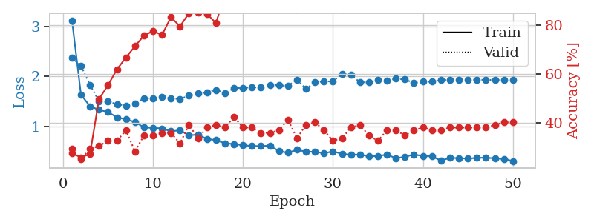
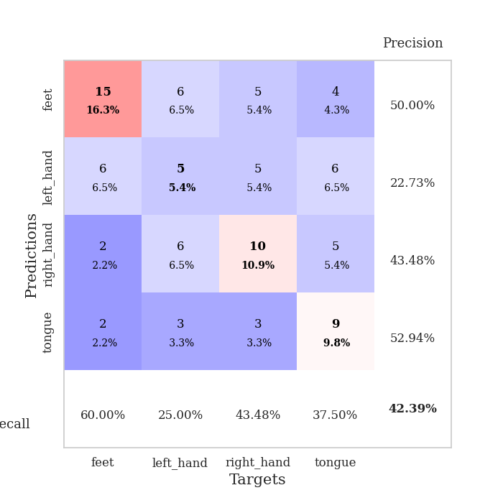
train_loss | valid_loss | train_accuracy | valid_accuracy | dur | train_misclass | valid_misclass
3.9428286293 | 3.8638069837 | 0.27173913043 | 0.29347826087 | 0.08110499382 | 27.173913043 | 29.347826087
1.7380791695 | 2.8594920428 | 0.31793478261 | 0.34782608696 | 0.079928398132 | 31.793478261 | 34.782608696
1.3983595008 | 1.727583512 | 0.4402173913 | 0.26086956522 | 0.079378843307 | 44.02173913 | 26.086956522
1.3634383627 | 1.632441785 | 0.47282608696 | 0.3152173913 | 0.07932305336 | 47.282608696 | 31.52173913
1.3241376307 | 1.516479062 | 0.5625 | 0.33695652174 | 0.079222202301 | 56.25 | 33.695652174
1.2012730863 | 1.4257527901 | 0.6875 | 0.30434782609 | 0.0793800354 | 68.75 | 30.434782609
1.1287779005 | 1.4760569438 | 0.69293478261 | 0.32608695652 | 0.079399585724 | 69.293478261 | 32.608695652
1.0635454396 | 1.5220551128 | 0.75 | 0.33695652174 | 0.079375743866 | 75 | 33.695652174
0.97545457923 | 1.5737000496 | 0.73913043478 | 0.26086956522 | 0.079394102097 | 73.913043478 | 26.086956522
0.94216708256 | 1.6439527636 | 0.72826086957 | 0.26086956522 | 0.079343318939 | 72.826086957 | 26.086956522
0.8705310977 | 1.7255248194 | 0.78260869565 | 0.27173913043 | 0.079343080521 | 78.260869565 | 27.173913043
0.79263913891 | 2.0995688801 | 0.80706521739 | 0.29347826087 | 0.079596281052 | 80.706521739 | 29.347826087
0.76729052741 | 1.8566756922 | 0.86956521739 | 0.28260869565 | 0.079623222351 | 86.956521739 | 28.260869565
0.80134999622 | 1.9477679833 | 0.84510869565 | 0.28260869565 | 0.079311132431 | 84.510869565 | 28.260869565
0.73363775274 | 1.9581157591 | 0.92391304348 | 0.3152173913 | 0.07941198349 | 92.391304348 | 31.52173913
0.70060929656 | 1.9125242855 | 0.92663043478 | 0.33695652174 | 0.079366207123 | 92.663043478 | 33.695652174
0.60024661214 | 1.8990203246 | 0.92119565217 | 0.39130434783 | 0.083124637604 | 92.119565217 | 39.130434783
0.61626058234 | 2.0075741643 | 0.92663043478 | 0.3152173913 | 0.081460237503 | 92.663043478 | 31.52173913
0.59785202793 | 1.9803317578 | 0.95380434783 | 0.27173913043 | 0.081717729568 | 95.380434783 | 27.173913043
0.54562062414 | 2.0314333387 | 0.95380434783 | 0.36956521739 | 0.081367969513 | 95.380434783 | 36.956521739
0.57467939543 | 1.9504481658 | 0.97554347826 | 0.35869565217 | 0.081021785736 | 97.554347826 | 35.869565217
0.53428438371 | 2.1514795915 | 0.97010869565 | 0.27173913043 | 0.081429719925 | 97.010869565 | 27.173913043
0.49194046596 | 2.1992188848 | 0.96195652174 | 0.25 | 0.081028223038 | 96.195652174 | 25
0.45730037275 | 2.1001690315 | 0.97554347826 | 0.33695652174 | 0.081153392792 | 97.554347826 | 33.695652174
0.46383122193 | 2.1465234912 | 0.99456521739 | 0.33695652174 | 0.081146240234 | 99.456521739 | 33.695652174
0.45127627772 | 2.0711771353 | 0.97826086957 | 0.27173913043 | 0.081340551376 | 97.826086957 | 27.173913043
0.46978112019 | 1.9728559981 | 0.98641304348 | 0.30434782609 | 0.081391096115 | 98.641304348 | 30.434782609
0.39979725882 | 2.2210816249 | 0.98913043478 | 0.29347826087 | 0.081076145172 | 98.913043478 | 29.347826087
0.40921049986 | 2.1332265035 | 0.99184782609 | 0.28260869565 | 0.081101417542 | 99.184782609 | 28.260869565
0.40435816348 | 2.1120317915 | 0.99184782609 | 0.32608695652 | 0.08112859726 | 99.184782609 | 32.608695652
0.36227696648 | 2.1243969513 | 0.9972826087 | 0.28260869565 | 0.081055641174 | 99.72826087 | 28.260869565
0.42756679848 | 2.1590282658 | 0.98097826087 | 0.29347826087 | 0.081181049347 | 98.097826087 | 29.347826087
0.39874530163 | 2.0771427777 | 0.98097826087 | 0.28260869565 | 0.081037998199 | 98.097826087 | 28.260869565
0.38040545259 | 2.1311811986 | 0.98369565217 | 0.3152173913 | 0.081471920013 | 98.369565217 | 31.52173913
0.34880732777 | 2.1442471794 | 0.99184782609 | 0.30434782609 | 0.081003427505 | 99.184782609 | 30.434782609
0.36015667669 | 2.0507798661 | 0.9972826087 | 0.28260869565 | 0.081401824951 | 99.72826087 | 28.260869565
0.32137426021 | 2.1007592523 | 0.9972826087 | 0.28260869565 | 0.081727743149 | 99.72826087 | 28.260869565
0.28806104317 | 2.1898684242 | 0.9972826087 | 0.29347826087 | 0.081610918045 | 99.72826087 | 29.347826087
0.32369418183 | 2.1678893618 | 0.9972826087 | 0.29347826087 | 0.081472396851 | 99.72826087 | 29.347826087
0.30171036267 | 2.192647623 | 0.9972826087 | 0.29347826087 | 0.081491470337 | 99.72826087 | 29.347826087
0.29287032589 | 2.1899480353 | 0.9972826087 | 0.28260869565 | 0.08154296875 | 99.72826087 | 28.260869565
0.37222000114 | 2.1723616382 | 0.9972826087 | 0.28260869565 | 0.081737279892 | 99.72826087 | 28.260869565
0.33904338401 | 2.1812501161 | 0.9972826087 | 0.27173913043 | 0.08139872551 | 99.72826087 | 27.173913043
0.29999362936 | 2.1905455226 | 0.9972826087 | 0.27173913043 | 0.081516027451 | 99.72826087 | 27.173913043
0.29768288848 | 2.1807817843 | 0.9972826087 | 0.28260869565 | 0.081552505493 | 99.72826087 | 28.260869565
0.30775286516 | 2.1837268912 | 0.9972826087 | 0.28260869565 | 0.081892251968 | 99.72826087 | 28.260869565
0.26577550529 | 2.1873808063 | 0.9972826087 | 0.28260869565 | 0.081609725952 | 99.72826087 | 28.260869565
0.31889884887 | 2.1886898176 | 0.9972826087 | 0.28260869565 | 0.081559419632 | 99.72826087 | 28.260869565
0.33269995062 | 2.1902257308 | 0.9972826087 | 0.28260869565 | 0.081383228302 | 99.72826087 | 28.260869565
0.30950347431 | 2.1910263974 | 0.9972826087 | 0.28260869565 | 0.081384658813 | 99.72826087 | 28.260869565

Best Val accuracy is 0.391304347826087 and Best test accuracy is 0.35344827586206895
train_loss | valid_loss | train_accuracy | valid_accuracy | dur | train_misclass | valid_misclass
3.1270791344 | 2.3738426022 | 0.27445652174 | 0.29347826087 | 0.088863372803 | 27.445652174 | 29.347826087
1.6332009668 | 2.2118415625 | 0.25815217391 | 0.25 | 0.085830211639 | 25.815217391 | 25
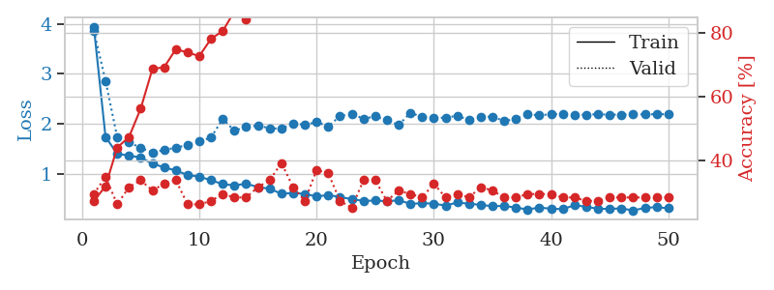
1.402419225 | 1.8323492589 | 0.27173913043 | 0.29347826087 | 0.085608243942 | 27.173913043 | 29.347826087
1.3293313721 | 1.5027431457 | 0.4972826087 | 0.30434782609 | 0.085438966751 | 49.72826087 | 30.434782609
1.285509576 | 1.4924262918 | 0.55434782609 | 0.32608695652 | 0.08619761467 | 55.434782609 | 32.608695652
1.1799986622 | 1.4455887079 | 0.61956521739 | 0.32608695652 | 0.087734460831 | 61.956521739 | 32.608695652
1.1373718536 | 1.4076676783 | 0.66847826087 | 0.36956521739 | 0.085321426392 | 66.847826087 | 36.956521739
1.0867086519 | 1.4545373243 | 0.71467391304 | 0.28260869565 | 0.091790676117 | 71.467391304 | 28.260869565
0.97623976676 | 1.5637216827 | 0.75815217391 | 0.34782608696 | 0.095289468765 | 75.815217391 | 34.782608696
0.96728893726 | 1.5549877571 | 0.77717391304 | 0.34782608696 | 0.095706701279 | 77.717391304 | 34.782608696
0.95682936129 | 1.5913713859 | 0.76086956522 | 0.35869565217 | 0.08948636055 | 76.086956522 | 35.869565217
0.89950351611 | 1.5594802525 | 0.83423913043 | 0.35869565217 | 0.08615398407 | 83.423913043 | 35.869565217
0.91917773433 | 1.549278648 | 0.79619565217 | 0.3152173913 | 0.085413694382 | 79.619565217 | 31.52173913
0.82106266333 | 1.6116229244 | 0.85054347826 | 0.39130434783 | 0.085418462753 | 85.054347826 | 39.130434783
0.83054230395 | 1.6574916684 | 0.85326086957 | 0.33695652174 | 0.087462186813 | 85.326086957 | 33.695652174
0.74593780352 | 1.6809534819 | 0.84782608696 | 0.38043478261 | 0.085614681244 | 84.782608696 | 38.043478261
0.72078665767 | 1.7293257661 | 0.8097826087 | 0.39130434783 | 0.085601329803 | 80.97826087 | 39.130434783
0.65776937811 | 1.6643332865 | 0.92934782609 | 0.38043478261 | 0.086001396179 | 92.934782609 | 38.043478261
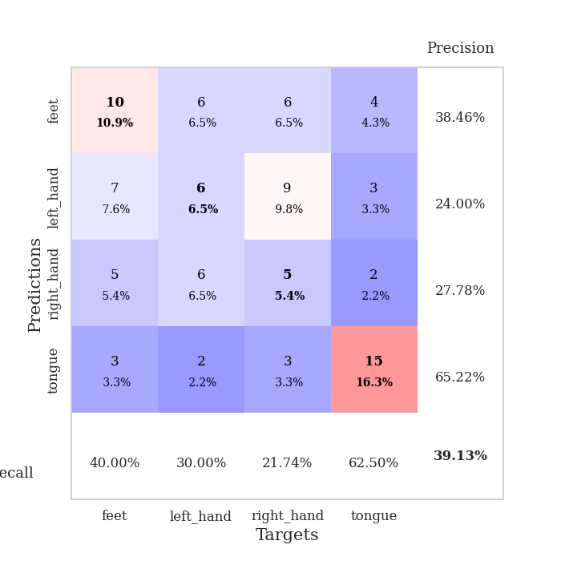
0.6431248201 | 1.7605291657 | 0.9375 | 0.42391304348 | 0.085282564163 | 93.75 | 42.391304348
0.61897843428 | 1.7742146461 | 0.89130434783 | 0.38043478261 | 0.08846449852 | 89.130434783 | 38.043478261
0.60343119632 | 1.7772927129 | 0.91032608696 | 0.38043478261 | 0.085961818695 | 91.032608696 | 38.043478261
0.60142257162 | 1.787631859 | 0.91304347826 | 0.35869565217 | 0.085930585861 | 91.304347826 | 35.869565217
0.61048511578 | 1.8328967976 | 0.92119565217 | 0.35869565217 | 0.08576965332 | 92.119565217 | 35.869565217
0.50243961552 | 1.8217599547 | 0.94836956522 | 0.36956521739 | 0.085562229156 | 94.836956522 | 36.956521739
0.46752063736 | 1.8096948551 | 0.97010869565 | 0.41304347826 | 0.085902929306 | 97.010869565 | 41.304347826
0.52864509432 | 1.9378729229 | 0.86413043478 | 0.33695652174 | 0.086716890335 | 86.413043478 | 33.695652174
0.48989009922 | 1.7502463849 | 0.95108695652 | 0.39130434783 | 0.085819959641 | 95.108695652 | 39.130434783
0.4874928166 | 1.880125025 | 0.94293478261 | 0.40217391304 | 0.085997343063 | 94.293478261 | 40.217391304
0.45976744463 | 1.8998285739 | 0.95923913043 | 0.36956521739 | 0.086027622223 | 95.923913043 | 36.956521739
0.49514708312 | 1.9033686856 | 0.94565217391 | 0.32608695652 | 0.085738420486 | 94.565217391 | 32.608695652
0.44696935169 | 2.0495924172 | 0.86413043478 | 0.33695652174 | 0.090395212173 | 86.413043478 | 33.695652174
0.42861954544 | 2.0279769535 | 0.88586956522 | 0.38043478261 | 0.085729598999 | 88.586956522 | 38.043478261
0.43235168768 | 1.8870326177 | 0.95108695652 | 0.39130434783 | 0.086235523224 | 95.108695652 | 39.130434783
0.39648831215 | 1.8826662354 | 0.96467391304 | 0.34782608696 | 0.089884519577 | 96.467391304 | 34.782608696
0.40183930488 | 1.9311806067 | 0.95652173913 | 0.32608695652 | 0.085233449936 | 95.652173913 | 32.608695652
0.43244879466 | 1.9197127923 | 0.96467391304 | 0.36956521739 | 0.085072040558 | 96.467391304 | 36.956521739
0.3582011092 | 1.9532509679 | 0.96195652174 | 0.36956521739 | 0.085168838501 | 96.195652174 | 36.956521739
0.38610857401 | 1.9383878449 | 0.95923913043 | 0.34782608696 | 0.084900617599 | 95.923913043 | 34.782608696
0.43383706329 | 1.8708165158 | 0.96467391304 | 0.36956521739 | 0.08787894249 | 96.467391304 | 36.956521739
0.40275732007 | 1.8956665112 | 0.96195652174 | 0.38043478261 | 0.085176706314 | 96.195652174 | 38.043478261
0.40065490876 | 1.8959976746 | 0.95923913043 | 0.36956521739 | 0.085828542709 | 95.923913043 | 36.956521739
0.30754365124 | 1.9283746274 | 0.96195652174 | 0.36956521739 | 0.085557699203 | 96.195652174 | 36.956521739
0.36746192788 | 1.9304977966 | 0.97282608696 | 0.38043478261 | 0.085644006729 | 97.282608696 | 38.043478261
0.35967763384 | 1.9346505714 | 0.97554347826 | 0.38043478261 | 0.088126420975 | 97.554347826 | 38.043478261
0.35082117306 | 1.9341492394 | 0.97282608696 | 0.38043478261 | 0.08603978157 | 97.282608696 | 38.043478261
0.36649095202 | 1.9345459679 | 0.97554347826 | 0.38043478261 | 0.085721731186 | 97.554347826 | 38.043478261
0.36993807554 | 1.9319226586 | 0.97554347826 | 0.38043478261 | 0.085783481598 | 97.554347826 | 38.043478261
0.35525712306 | 1.9307764147 | 0.97554347826 | 0.39130434783 | 0.086051940918 | 97.554347826 | 39.130434783
0.34536800048 | 1.929682856 | 0.97826086957 | 0.40217391304 | 0.085663557053 | 97.826086957 | 40.217391304
0.29965908534 | 1.928667509 | 0.97826086957 | 0.40217391304 | 0.085650205612 | 97.826086957 | 40.217391304

Best Val accuracy is 0.42391304347826086 and Best test accuracy is 0.4051724137931034

Sheet8
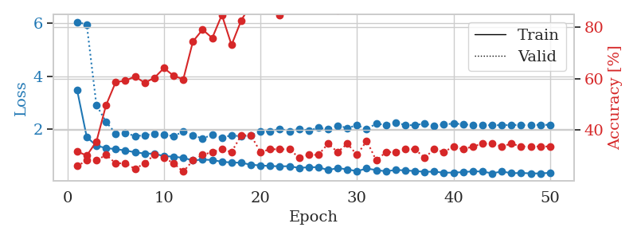
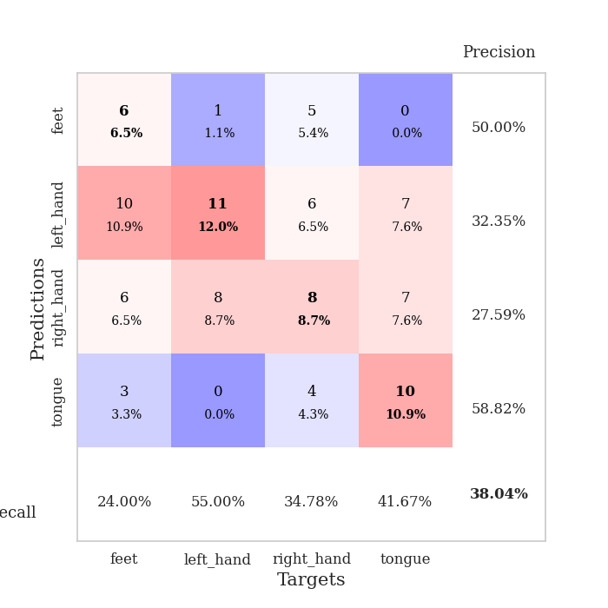
train_loss | valid_loss | train_accuracy | valid_accuracy | dur | train_misclass | valid_misclass
2.892549577 | 2.8602300312 | 0.29076086957 | 0.26086956522 | 0.083563566208 | 29.076086957 | 26.086956522
1.6919769671 | 2.4240198343 | 0.30163043478 | 0.27173913043 | 0.079553365707 | 30.163043478 | 27.173913043
1.3856183083 | 1.7253817268 | 0.34239130435 | 0.26086956522 | 0.079493999481 | 34.239130435 | 26.086956522
1.2829955505 | 1.6776731584 | 0.4347826087 | 0.3152173913 | 0.079627037048 | 43.47826087 | 31.52173913
1.194219952 | 1.6015774219 | 0.60597826087 | 0.3152173913 | 0.079806804657 | 60.597826087 | 31.52173913
1.0954046638 | 1.6111959789 | 0.6875 | 0.33695652174 | 0.079966306686 | 68.75 | 33.695652174
1.0342136725 | 1.5737103327 | 0.73097826087 | 0.35869565217 | 0.084556341171 | 73.097826087 | 35.869565217
0.99012208244 | 1.5533865638 | 0.77717391304 | 0.38043478261 | 0.081533432007 | 77.717391304 | 38.043478261
0.97662813249 | 1.7273809962 | 0.71739130435 | 0.38043478261 | 0.080992460251 | 71.739130435 | 38.043478261
0.92743122319 | 1.7353248596 | 0.77445652174 | 0.34782608696 | 0.081036806107 | 77.445652174 | 34.782608696
0.84406259526 | 1.7614036177 | 0.8125 | 0.34782608696 | 0.080933094025 | 81.25 | 34.782608696
0.8330514133 | 1.7981787091 | 0.79619565217 | 0.33695652174 | 0.081156253815 | 79.619565217 | 33.695652174
0.81946377651 | 1.9561415548 | 0.83967391304 | 0.35869565217 | 0.081025838852 | 83.967391304 | 35.869565217
0.75649022538 | 1.9533415255 | 0.80163043478 | 0.33695652174 | 0.080916643143 | 80.163043478 | 33.695652174
0.72489437461 | 2.004293053 | 0.92119565217 | 0.34782608696 | 0.081081867218 | 92.119565217 | 34.782608696
0.70728614019 | 1.9771484033 | 0.91032608696 | 0.36956521739 | 0.08101773262 | 91.032608696 | 36.956521739
0.73457777889 | 1.9197005344 | 0.88043478261 | 0.30434782609 | 0.080943107605 | 88.043478261 | 30.434782609
0.67011237663 | 2.1865124495 | 0.88586956522 | 0.34782608696 | 0.080994606018 | 88.586956522 | 34.782608696
0.67035825486 | 2.0731505052 | 0.94293478261 | 0.3152173913 | 0.080806732178 | 94.293478261 | 31.52173913
0.62073848688 | 2.0199184781 | 0.95108695652 | 0.33695652174 | 0.08077454567 | 95.108695652 | 33.695652174
0.60708942491 | 2.2156731979 | 0.93206521739 | 0.35869565217 | 0.080627202988 | 93.206521739 | 35.869565217
0.55980031128 | 2.161766923 | 0.9375 | 0.3152173913 | 0.081027269363 | 93.75 | 31.52173913
0.61486903999 | 2.083071294 | 0.9375 | 0.32608695652 | 0.081031560898 | 93.75 | 32.608695652
0.54462043747 | 2.0117121831 | 0.95652173913 | 0.3152173913 | 0.081083774567 | 95.652173913 | 31.52173913
0.52879428864 | 2.0784910865 | 0.96195652174 | 0.33695652174 | 0.080734729767 | 96.195652174 | 33.695652174
0.43495710388 | 1.9888783486 | 0.96467391304 | 0.33695652174 | 0.08119225502 | 96.467391304 | 33.695652174
0.45886990169 | 2.0397696651 | 0.97826086957 | 0.3152173913 | 0.080760717392 | 97.826086957 | 31.52173913
0.44148467092 | 2.0497121759 | 0.96195652174 | 0.3152173913 | 0.081127643585 | 96.195652174 | 31.52173913
0.50046184335 | 2.0374484062 | 0.96467391304 | 0.30434782609 | 0.08100271225 | 96.467391304 | 30.434782609
0.47235602724 | 2.1267192416 | 0.95652173913 | 0.3152173913 | 0.081081390381 | 95.652173913 | 31.52173913
0.48760527243 | 2.0613929552 | 0.97554347826 | 0.30434782609 | 0.080873727798 | 97.554347826 | 30.434782609
0.49537270872 | 2.144026124 | 0.96467391304 | 0.34782608696 | 0.081069469452 | 96.467391304 | 34.782608696
0.42541103648 | 2.1509811101 | 0.99184782609 | 0.29347826087 | 0.080783367157 | 99.184782609 | 29.347826087
0.45330201996 | 2.1477512432 | 0.98913043478 | 0.32608695652 | 0.080897331238 | 98.913043478 | 32.608695652
0.41295386916 | 2.1278569128 | 0.98097826087 | 0.30434782609 | 0.080836057663 | 98.097826087 | 30.434782609
0.42490920619 | 2.1336530758 | 0.98369565217 | 0.30434782609 | 0.081049203873 | 98.369565217 | 30.434782609
0.39131282788 | 2.1125080689 | 0.99184782609 | 0.32608695652 | 0.08097076416 | 99.184782609 | 32.608695652
0.46084142509 | 2.1097959695 | 0.99184782609 | 0.32608695652 | 0.081109762192 | 99.184782609 | 32.608695652
0.41853822573 | 2.1160409295 | 0.98913043478 | 0.30434782609 | 0.081082820892 | 98.913043478 | 30.434782609
0.3915188157 | 2.121511506 | 0.99184782609 | 0.30434782609 | 0.080908536911 | 99.184782609 | 30.434782609
0.38924702225 | 2.1148858692 | 0.99184782609 | 0.32608695652 | 0.080852031708 | 99.184782609 | 32.608695652
0.38629128233 | 2.1081651346 | 0.99184782609 | 0.33695652174 | 0.080816268921 | 99.184782609 | 33.695652174
0.39570470737 | 2.1149561716 | 0.98913043478 | 0.32608695652 | 0.081034421921 | 98.913043478 | 32.608695652
0.38925542326 | 2.1257038272 | 0.99184782609 | 0.32608695652 | 0.080774784088 | 99.184782609 | 32.608695652
0.363098473 | 2.1282837702 | 0.99184782609 | 0.32608695652 | 0.081180095673 | 99.184782609 | 32.608695652
0.36281998196 | 2.1333526166 | 0.99184782609 | 0.32608695652 | 0.081047534943 | 99.184782609 | 32.608695652
0.35944829492 | 2.1365198415 | 0.99184782609 | 0.33695652174 | 0.082987785339 | 99.184782609 | 33.695652174
0.3537788268 | 2.1377228861 | 0.99184782609 | 0.32608695652 | 0.080904960632 | 99.184782609 | 32.608695652
0.31844502687 | 2.1394675659 | 0.99184782609 | 0.32608695652 | 0.080929279327 | 99.184782609 | 32.608695652
0.34736082768 | 2.1416936905 | 0.99184782609 | 0.32608695652 | 0.080967664719 | 99.184782609 | 32.608695652

Best Val accuracy is 0.3804347826086957 and Best test accuracy is 0.29310344827586204
train_loss | valid_loss | train_accuracy | valid_accuracy | dur | train_misclass | valid_misclass
3.4874073111 | 6.0502170687 | 0.31793478261 | 0.26086956522 | 0.085702180862 | 31.793478261 | 26.086956522
1.7131652625 | 5.9512225649 | 0.30163043478 | 0.28260869565 | 0.08510518074 | 30.163043478 | 28.260869565
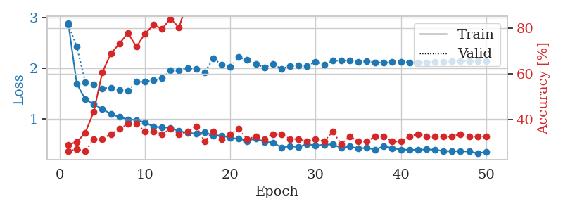
1.3897241509 | 2.9202316015 | 0.35597826087 | 0.28260869565 | 0.085204601288 | 35.597826087 | 28.260869565
1.2988141205 | 2.2849929903 | 0.4972826087 | 0.30434782609 | 0.085750579834 | 49.72826087 | 30.434782609
1.2583926838 | 1.8459318617 | 0.58695652174 | 0.27173913043 | 0.085382461548 | 58.695652174 | 27.173913043
1.2088957144 | 1.8700517416 | 0.59239130435 | 0.27173913043 | 0.085391998291 | 59.239130435 | 27.173913043
1.141376358 | 1.7498408556 | 0.60869565217 | 0.25 | 0.085244894028 | 60.869565217 | 25
1.0924391176 | 1.7793234587 | 0.58423913043 | 0.27173913043 | 0.085309743881 | 58.423913043 | 27.173913043
1.0880941956 | 1.8450040869 | 0.60326086957 | 0.30434782609 | 0.087802171707 | 60.326086957 | 30.434782609
0.99453705549 | 1.8155113562 | 0.64130434783 | 0.29347826087 | 0.08567738533 | 64.130434783 | 29.347826087
0.97658586761 | 1.7397683652 | 0.61141304348 | 0.27173913043 | 0.085623502731 | 61.141304348 | 27.173913043
0.92881853425 | 1.9278341946 | 0.59782608696 | 0.23913043478 | 0.085786819458 | 59.782608696 | 23.913043478
0.83646855147 | 1.7768510062 | 0.74456521739 | 0.28260869565 | 0.085644483566 | 74.456521739 | 28.260869565
0.86255967876 | 1.6608384537 | 0.79076086957 | 0.30434782609 | 0.085719585419 | 79.076086957 | 30.434782609
0.85159656665 | 1.7991430604 | 0.75815217391 | 0.3152173913 | 0.086033821106 | 75.815217391 | 31.52173913
0.78379387052 | 1.6959750393 | 0.84782608696 | 0.32608695652 | 0.086194038391 | 84.782608696 | 32.608695652
0.75394735259 | 1.7749955291 | 0.73097826087 | 0.3152173913 | 0.086266517639 | 73.097826087 | 31.52173913
0.74840237006 | 1.7437257145 | 0.82608695652 | 0.38043478261 | 0.086112976074 | 82.608695652 | 38.043478261
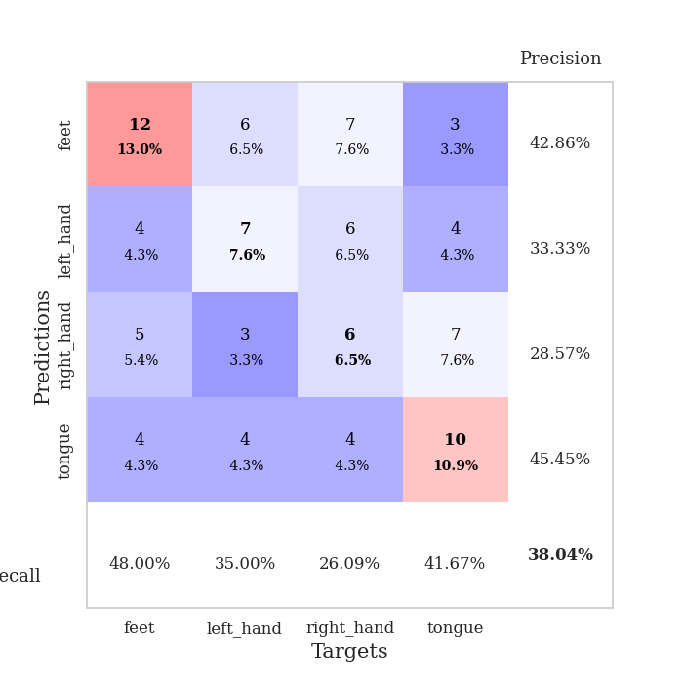
0.67127194353 | 1.7743585006 | 0.88858695652 | 0.38043478261 | 0.08829832077 | 88.858695652 | 38.043478261
0.64489687785 | 1.9128775959 | 0.90760869565 | 0.3152173913 | 0.086206912994 | 90.760869565 | 31.52173913
0.62132714235 | 1.922948065 | 0.875 | 0.32608695652 | 0.086242198944 | 87.5 | 32.608695652
0.6120933994 | 2.0222428311 | 0.84782608696 | 0.32608695652 | 0.088109731674 | 84.782608696 | 32.608695652
0.61456344439 | 1.9359092453 | 0.92391304348 | 0.32608695652 | 0.086548089981 | 92.391304348 | 32.608695652
0.55179531419 | 2.0246532896 | 0.88858695652 | 0.29347826087 | 0.085587024689 | 88.858695652 | 29.347826087
0.57749557884 | 1.9534539347 | 0.90760869565 | 0.30434782609 | 0.085727930069 | 90.760869565 | 30.434782609
0.57824282024 | 2.0629638382 | 0.90489130435 | 0.30434782609 | 0.085805654526 | 90.489130435 | 30.434782609
0.46999793597 | 2.0104289884 | 0.91847826087 | 0.34782608696 | 0.085586071014 | 91.847826087 | 34.782608696
0.54479335054 | 2.1401834954 | 0.86684782609 | 0.3152173913 | 0.085991621017 | 86.684782609 | 31.52173913
0.49616795519 | 2.0578050665 | 0.89402173913 | 0.34782608696 | 0.085565805435 | 89.402173913 | 34.782608696
0.42760920978 | 2.155168523 | 0.90760869565 | 0.30434782609 | 0.085416078568 | 90.760869565 | 30.434782609
0.53036444602 | 2.0218673012 | 0.94836956522 | 0.35869565217 | 0.085704088211 | 94.836956522 | 35.869565217
0.46907601991 | 2.2154701378 | 0.88858695652 | 0.28260869565 | 0.08606672287 | 88.858695652 | 28.260869565
0.42559325371 | 2.1716106975 | 0.90489130435 | 0.3152173913 | 0.085377931595 | 90.489130435 | 31.52173913
0.4730400469 | 2.2686832573 | 0.88858695652 | 0.3152173913 | 0.085535764694 | 88.858695652 | 31.52173913
0.4599772912 | 2.1625038178 | 0.92119565217 | 0.32608695652 | 0.085325479507 | 92.119565217 | 32.608695652
0.43127471986 | 2.1604619026 | 0.92391304348 | 0.32608695652 | 0.085594654083 | 92.391304348 | 32.608695652
0.40710283686 | 2.2238581181 | 0.91032608696 | 0.29347826087 | 0.085440158844 | 91.032608696 | 29.347826087
0.41011156628 | 2.1242046512 | 0.94293478261 | 0.32608695652 | 0.085407018661 | 94.293478261 | 32.608695652
0.37116431801 | 2.1968368292 | 0.9347826087 | 0.3152173913 | 0.087327241898 | 93.47826087 | 31.52173913
0.37577343052 | 2.2159596837 | 0.9402173913 | 0.33695652174 | 0.09755897522 | 94.02173913 | 33.695652174
0.39177316168 | 2.2028294335 | 0.95923913043 | 0.32608695652 | 0.086692094803 | 95.923913043 | 32.608695652
0.42439892564 | 2.1530438091 | 0.96195652174 | 0.33695652174 | 0.086134672165 | 96.195652174 | 33.695652174
0.41462021224 | 2.1616784282 | 0.96195652174 | 0.34782608696 | 0.086043834686 | 96.195652174 | 34.782608696
0.34628188837 | 2.1629805098 | 0.96195652174 | 0.34782608696 | 0.086043596268 | 96.195652174 | 34.782608696
0.41818499112 | 2.1602247798 | 0.96195652174 | 0.33695652174 | 0.085822820663 | 96.195652174 | 33.695652174
0.35147793721 | 2.1687495708 | 0.96739130435 | 0.34782608696 | 0.088892936707 | 96.739130435 | 34.782608696
0.361098134 | 2.1667412571 | 0.96739130435 | 0.33695652174 | 0.085668563843 | 96.739130435 | 33.695652174
0.34658722644 | 2.16955045 | 0.96739130435 | 0.33695652174 | 0.085604190826 | 96.739130435 | 33.695652174
0.34200939147 | 2.1717827113 | 0.96739130435 | 0.33695652174 | 0.085500240326 | 96.739130435 | 33.695652174
0.36880989276 | 2.1738885589 | 0.96739130435 | 0.33695652174 | 0.085855722427 | 96.739130435 | 33.695652174

Best Val accuracy is 0.3804347826086957 and Best test accuracy is 0.3103448275862069

Sheet9
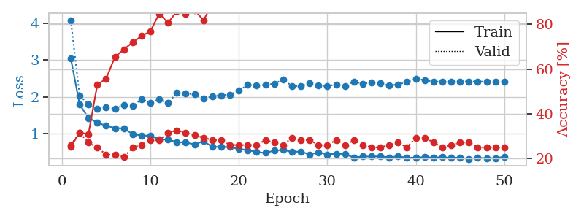
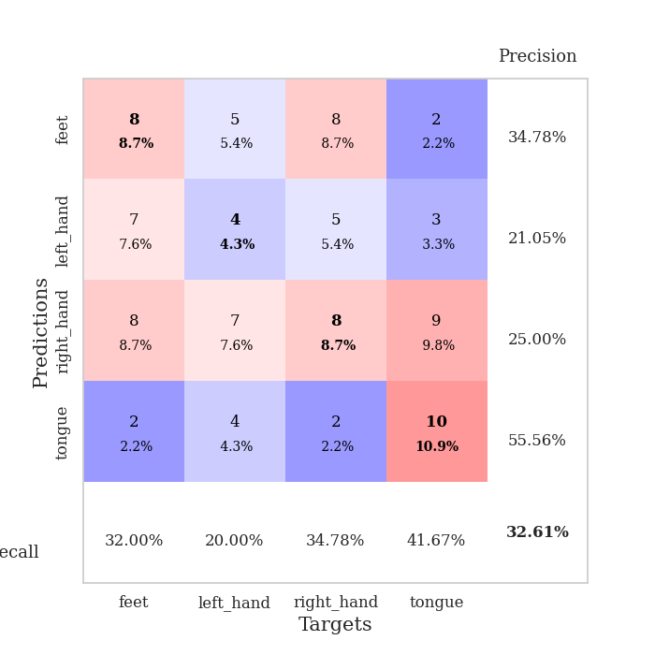
train_loss | valid_loss | train_accuracy | valid_accuracy | dur | train_misclass | valid_misclass
4.1008089418 | 3.1339212397 | 0.29076086957 | 0.26086956522 | 0.081557512283 | 29.076086957 | 26.086956522
1.7066832988 | 2.1356976032 | 0.27173913043 | 0.29347826087 | 0.080712080002 | 27.173913043 | 29.347826087
1.5621865729 | 1.9113112325 | 0.33695652174 | 0.23913043478 | 0.089549064636 | 33.695652174 | 23.913043478
1.3096993021 | 2.0473617108 | 0.35054347826 | 0.27173913043 | 0.081376314163 | 35.054347826 | 27.173913043
1.2428500756 | 1.7268696868 | 0.5652173913 | 0.26086956522 | 0.081081151962 | 56.52173913 | 26.086956522
1.1406708178 | 1.8426955213 | 0.63586956522 | 0.21739130435 | 0.082695007324 | 63.586956522 | 21.739130435
1.166392202 | 1.7814664426 | 0.6902173913 | 0.22826086957 | 0.08193898201 | 69.02173913 | 22.826086957
0.99175177191 | 1.9167953937 | 0.72554347826 | 0.34782608696 | 0.081986665726 | 72.554347826 | 34.782608696
0.98395054237 | 1.8509198946 | 0.74184782609 | 0.29347826087 | 0.081234693527 | 74.184782609 | 29.347826087
0.94289501076 | 1.8483085684 | 0.78260869565 | 0.33695652174 | 0.081091403961 | 78.260869565 | 33.695652174
0.89981434915 | 1.9906558576 | 0.78260869565 | 0.30434782609 | 0.081234455109 | 78.260869565 | 30.434782609
0.84798368552 | 1.9353189468 | 0.8125 | 0.28260869565 | 0.081191539764 | 81.25 | 28.260869565
0.69719154031 | 2.1394929679 | 0.78260869565 | 0.27173913043 | 0.081189393997 | 78.260869565 | 27.173913043
0.74265144182 | 2.196176389 | 0.80163043478 | 0.28260869565 | 0.08145737648 | 80.163043478 | 28.260869565
0.65817881667 | 2.4193343287 | 0.78532608696 | 0.25 | 0.081168174744 | 78.532608696 | 25
0.7167612392 | 2.3648444414 | 0.84239130435 | 0.27173913043 | 0.081595420837 | 84.239130435 | 27.173913043
0.6231927483 | 2.2061545953 | 0.85869565217 | 0.26086956522 | 0.081181526184 | 85.869565217 | 26.086956522
0.59144891863 | 2.3235763467 | 0.88858695652 | 0.3152173913 | 0.081355333328 | 88.858695652 | 31.52173913
0.57251884756 | 2.3397598318 | 0.91847826087 | 0.3152173913 | 0.081296443939 | 91.847826087 | 31.52173913
0.55646172036 | 2.3667819344 | 0.85326086957 | 0.26086956522 | 0.084466457367 | 85.326086957 | 26.086956522
0.50304342936 | 2.3218923859 | 0.91847826087 | 0.28260869565 | 0.080675125122 | 91.847826087 | 28.260869565
0.48967672042 | 2.3200971199 | 0.85597826087 | 0.27173913043 | 0.080680608749 | 85.597826087 | 27.173913043
0.50058364609 | 2.4236283665 | 0.89402173913 | 0.27173913043 | 0.080862760544 | 89.402173913 | 27.173913043
0.45537430048 | 2.3448438904 | 0.89130434783 | 0.3152173913 | 0.080564260483 | 89.130434783 | 31.52173913
0.45835984142 | 2.3815714173 | 0.92663043478 | 0.3152173913 | 0.080581188202 | 92.663043478 | 31.52173913
0.44091222727 | 2.4550764042 | 0.89402173913 | 0.29347826087 | 0.080739021301 | 89.402173913 | 29.347826087
0.43616086374 | 2.4376503125 | 0.86413043478 | 0.25 | 0.080497264862 | 86.413043478 | 25
0.3853288863 | 2.5038777486 | 0.90217391304 | 0.28260869565 | 0.080675601959 | 90.217391304 | 28.260869565
0.41839134758 | 2.37428066 | 0.9402173913 | 0.26086956522 | 0.080591440201 | 94.02173913 | 26.086956522
0.41215963791 | 2.3576279982 | 0.97010869565 | 0.3152173913 | 0.080599069595 | 97.010869565 | 31.52173913
0.39771150182 | 2.3862825684 | 0.9402173913 | 0.27173913043 | 0.080582618713 | 94.02173913 | 27.173913043
0.41609627316 | 2.3646796009 | 0.95652173913 | 0.3152173913 | 0.080654144287 | 95.652173913 | 31.52173913
0.39869518448 | 2.3182491012 | 0.95652173913 | 0.30434782609 | 0.080409288406 | 95.652173913 | 30.434782609
0.35360594936 | 2.2430951958 | 0.98369565217 | 0.3152173913 | 0.080568790436 | 98.369565217 | 31.52173913
0.3476471049 | 2.3582949483 | 0.97010869565 | 0.3152173913 | 0.080463171005 | 97.010869565 | 31.52173913
0.34620533624 | 2.2809939177 | 0.97010869565 | 0.33695652174 | 0.08055305481 | 97.010869565 | 33.695652174
0.42351825924 | 2.3336195738 | 0.97554347826 | 0.32608695652 | 0.080596208572 | 97.554347826 | 32.608695652
0.29331882039 | 2.400173462 | 0.96467391304 | 0.32608695652 | 0.080810308456 | 96.467391304 | 32.608695652
0.34037532819 | 2.3744815329 | 0.95652173913 | 0.34782608696 | 0.080607414246 | 95.652173913 | 34.782608696
0.30388201093 | 2.3685501088 | 0.96739130435 | 0.35869565217 | 0.080600500107 | 96.739130435 | 35.869565217
0.35143615824 | 2.4040297892 | 0.97554347826 | 0.39130434783 | 0.080846786499 | 97.554347826 | 39.130434783
0.29559776883 | 2.4139493082 | 0.97010869565 | 0.38043478261 | 0.081464529037 | 97.010869565 | 38.043478261
0.29892001593 | 2.4165801121 | 0.97282608696 | 0.36956521739 | 0.080778598785 | 97.282608696 | 36.956521739
0.30822473991 | 2.4170499833 | 0.97282608696 | 0.35869565217 | 0.080682754517 | 97.282608696 | 35.869565217
0.30411558955 | 2.4137674207 | 0.97282608696 | 0.36956521739 | 0.080601215363 | 97.282608696 | 36.956521739
0.35071261098 | 2.4035639089 | 0.97282608696 | 0.38043478261 | 0.080610752106 | 97.282608696 | 38.043478261
0.28602530386 | 2.3990322351 | 0.97282608696 | 0.38043478261 | 0.080853462219 | 97.282608696 | 38.043478261
0.27071753079 | 2.3962457854 | 0.97282608696 | 0.38043478261 | 0.08055472374 | 97.282608696 | 38.043478261
0.26950730675 | 2.395767808 | 0.97282608696 | 0.38043478261 | 0.080804347992 | 97.282608696 | 38.043478261
0.31986008163 | 2.3965643178 | 0.97282608696 | 0.38043478261 | 0.080619096756 | 97.282608696 | 38.043478261

Best Val accuracy is 0.391304347826087 and Best test accuracy is 0.3620689655172414
train_loss | valid_loss | train_accuracy | valid_accuracy | dur | train_misclass | valid_misclass
3.0487298188 | 4.0802886901 | 0.2527173913 | 0.26086956522 | 0.097014904022 | 25.27173913 | 26.086956522
1.7968208064 | 2.0406183471 | 0.3152173913 | 0.3152173913 | 0.094728469849 | 31.52173913 | 31.52173913
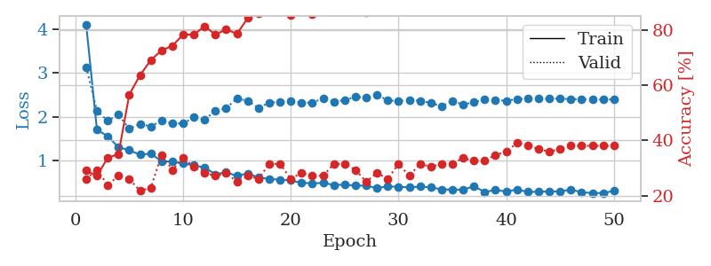
1.429739864 | 1.7936539805 | 0.3097826087 | 0.27173913043 | 0.086976289749 | 30.97826087 | 27.173913043
1.3000503571 | 1.6689940328 | 0.52989130435 | 0.25 | 0.086199998856 | 52.989130435 | 25
1.2179464361 | 1.7100081807 | 0.55706521739 | 0.21739130435 | 0.085419893265 | 55.706521739 | 21.739130435
1.1525070408 | 1.6781410912 | 0.65489130435 | 0.21739130435 | 0.091196060181 | 65.489130435 | 21.739130435
1.1451324717 | 1.7739124765 | 0.6875 | 0.20652173913 | 0.086465358734 | 68.75 | 20.652173913
0.98898369592 | 1.750917103 | 0.72010869565 | 0.25 | 0.086110591888 | 72.010869565 | 25
0.95387348921 | 1.9409213222 | 0.7472826087 | 0.26086956522 | 0.085439443588 | 74.72826087 | 26.086956522
0.94247241124 | 1.8372727011 | 0.76902173913 | 0.28260869565 | 0.085551738739 | 76.902173913 | 28.260869565
0.85456495959 | 1.9338140436 | 0.84782608696 | 0.28260869565 | 0.085997343063 | 84.782608696 | 28.260869565
0.83970429975 | 1.8289401142 | 0.80706521739 | 0.3152173913 | 0.085961580276 | 80.706521739 | 31.52173913
0.77533539741 | 2.114321916 | 0.85869565217 | 0.32608695652 | 0.085675001144 | 85.869565217 | 32.608695652
0.76023187197 | 2.0923207065 | 0.84510869565 | 0.3152173913 | 0.086419582367 | 84.510869565 | 31.52173913
0.71556303035 | 2.0679848557 | 0.86413043478 | 0.30434782609 | 0.088036060333 | 86.413043478 | 30.434782609
0.7979267123 | 1.9485488612 | 0.81793478261 | 0.29347826087 | 0.099940061569 | 81.793478261 | 29.347826087
0.64904098796 | 2.0148749092 | 0.89130434783 | 0.28260869565 | 0.086265087128 | 89.130434783 | 28.260869565
0.64051812498 | 2.0398773836 | 0.88858695652 | 0.28260869565 | 0.085689306259 | 88.858695652 | 28.260869565
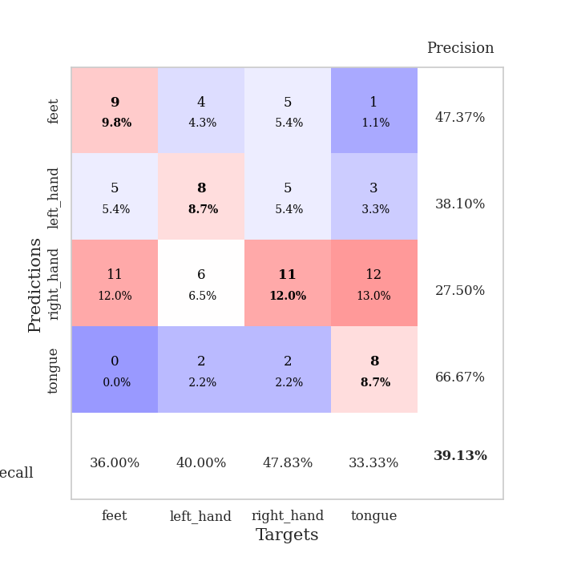
0.64059609823 | 2.0609252401 | 0.92934782609 | 0.26086956522 | 0.085141658783 | 92.934782609 | 26.086956522
0.59033662988 | 2.1686469887 | 0.90217391304 | 0.26086956522 | 0.085909366608 | 90.217391304 | 26.086956522
0.55796503243 | 2.3259790099 | 0.96739130435 | 0.26086956522 | 0.08571100235 | 96.739130435 | 26.086956522
0.50243349697 | 2.3054555758 | 0.9402173913 | 0.26086956522 | 0.087820529938 | 94.02173913 | 26.086956522
0.48106516055 | 2.3257106439 | 0.95652173913 | 0.28260869565 | 0.085854530334 | 95.652173913 | 28.260869565
0.54572230059 | 2.3591177101 | 0.97826086957 | 0.27173913043 | 0.085853338242 | 97.826086957 | 27.173913043
0.56252119463 | 2.4655163858 | 0.95380434783 | 0.26086956522 | 0.08796954155 | 95.380434783 | 26.086956522
0.50780439442 | 2.298403403 | 0.98369565217 | 0.29347826087 | 0.08629655838 | 98.369565217 | 29.347826087
0.51979817515 | 2.2823781345 | 0.96467391304 | 0.28260869565 | 0.096512079239 | 96.467391304 | 28.260869565
0.43680186116 | 2.3698758405 | 0.94565217391 | 0.28260869565 | 0.091917991638 | 94.565217391 | 28.260869565
0.50052211596 | 2.3110402201 | 0.94565217391 | 0.26086956522 | 0.085333347321 | 94.565217391 | 26.086956522
0.4388192296 | 2.2943059206 | 0.97554347826 | 0.26086956522 | 0.085150718689 | 97.554347826 | 26.086956522
0.45961493966 | 2.3317554153 | 0.96195652174 | 0.28260869565 | 0.08885216713 | 96.195652174 | 28.260869565
0.45117658182 | 2.2990913495 | 0.95380434783 | 0.26086956522 | 0.086297750473 | 95.380434783 | 26.086956522
0.35289595665 | 2.4143714335 | 0.95380434783 | 0.28260869565 | 0.086208105087 | 95.380434783 | 28.260869565
0.38539116117 | 2.3567202869 | 0.95923913043 | 0.26086956522 | 0.089057207108 | 95.923913043 | 26.086956522
0.3849134957 | 2.3979543033 | 0.97282608696 | 0.25 | 0.10166025162 | 97.282608696 | 25
0.38728946771 | 2.364943043 | 0.97826086957 | 0.25 | 0.086938142776 | 97.826086957 | 25
0.36077809399 | 2.3088571352 | 0.98641304348 | 0.26086956522 | 0.086385965347 | 98.641304348 | 26.086956522
0.39047856564 | 2.3340842257 | 0.98913043478 | 0.27173913043 | 0.086161375046 | 98.913043478 | 27.173913043
0.3482322207 | 2.4045208848 | 0.97826086957 | 0.25 | 0.086012601852 | 97.826086957 | 25
0.35641371653 | 2.486373777 | 0.96467391304 | 0.29347826087 | 0.086058855057 | 96.467391304 | 29.347826087
0.36617550254 | 2.4583214521 | 0.96195652174 | 0.29347826087 | 0.089588165283 | 96.195652174 | 29.347826087
0.35817028647 | 2.4128472546 | 0.97282608696 | 0.27173913043 | 0.089684963226 | 97.282608696 | 27.173913043
0.36385699491 | 2.4092987724 | 0.97826086957 | 0.25 | 0.086676836014 | 97.826086957 | 25
0.34919028729 | 2.4080761982 | 0.98097826087 | 0.26086956522 | 0.086389064789 | 98.097826087 | 26.086956522
0.35548255884 | 2.4173341264 | 0.98097826087 | 0.27173913043 | 0.086363554001 | 98.097826087 | 27.173913043
0.31811912455 | 2.4152142742 | 0.98097826087 | 0.27173913043 | 0.086464166641 | 98.097826087 | 27.173913043
0.35401632928 | 2.414080853 | 0.98097826087 | 0.25 | 0.088183403015 | 98.097826087 | 25
0.33233895542 | 2.4143313325 | 0.98097826087 | 0.25 | 0.088271141052 | 98.097826087 | 25
0.34194984805 | 2.4155327496 | 0.98097826087 | 0.25 | 0.085136890411 | 98.097826087 | 25
0.37593779713 | 2.4151209178 | 0.98097826087 | 0.25 | 0.0856590271 | 98.097826087 | 25

Best Val accuracy is 0.32608695652173914 and Best test accuracy is 0.3620689655172414

Sheet10
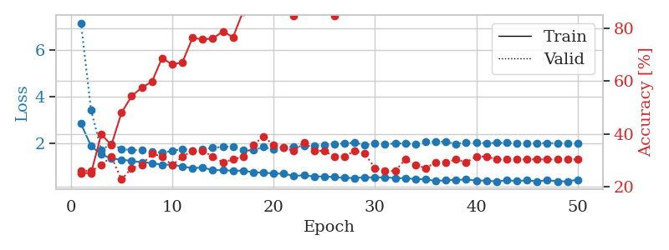
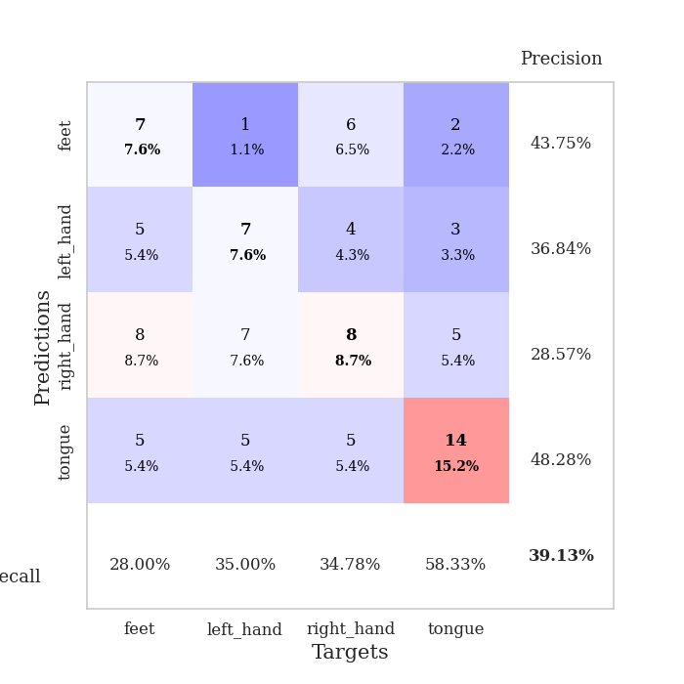
train_loss | valid_loss | train_accuracy | valid_accuracy | dur | train_misclass | valid_misclass
3.917783307 | 8.3759382497 | 0.24184782609 | 0.26086956522 | 0.083497285843 | 24.184782609 | 26.086956522
1.7344133698 | 4.0534120643 | 0.34782608696 | 0.32608695652 | 0.080458879471 | 34.782608696 | 32.608695652
1.4710125457 | 2.3269341873 | 0.35054347826 | 0.30434782609 | 0.080265045166 | 35.054347826 | 30.434782609
1.3579899384 | 1.7497877038 | 0.39402173913 | 0.3152173913 | 0.083456039429 | 39.402173913 | 31.52173913
1.2815658165 | 1.5281779922 | 0.55163043478 | 0.35869565217 | 0.081692934036 | 55.163043478 | 35.869565217
1.1875939214 | 1.5250868175 | 0.6277173913 | 0.28260869565 | 0.081508874893 | 62.77173913 | 28.260869565
1.0550446148 | 1.5463865581 | 0.6277173913 | 0.35869565217 | 0.081401109695 | 62.77173913 | 35.869565217
1.0172163248 | 1.5575920395 | 0.65760869565 | 0.27173913043 | 0.081652402878 | 65.760869565 | 27.173913043
1.0534860764 | 1.6503176482 | 0.65217391304 | 0.22826086957 | 0.081626653671 | 65.217391304 | 22.826086957
0.94089075793 | 1.8617361318 | 0.51358695652 | 0.23913043478 | 0.081519126892 | 51.358695652 | 23.913043478
0.89519194676 | 1.7114011775 | 0.6875 | 0.27173913043 | 0.081474065781 | 68.75 | 27.173913043
0.87876068768 | 1.761819119 | 0.73913043478 | 0.25 | 0.081298112869 | 73.913043478 | 25
0.79496130866 | 1.778922677 | 0.7472826087 | 0.26086956522 | 0.081138372421 | 74.72826087 | 26.086956522
0.78046347395 | 2.0446708669 | 0.70380434783 | 0.30434782609 | 0.08141040802 | 70.380434783 | 30.434782609
0.71136304866 | 1.9176137396 | 0.76358695652 | 0.27173913043 | 0.081361055374 | 76.358695652 | 27.173913043
0.7290682689 | 1.9173580512 | 0.66032608696 | 0.29347826087 | 0.081284046173 | 66.032608696 | 29.347826087
0.65899929534 | 1.9137211986 | 0.72554347826 | 0.27173913043 | 0.081320524216 | 72.554347826 | 27.173913043
0.6748492018 | 2.0916840512 | 0.6847826087 | 0.25 | 0.081342935562 | 68.47826087 | 25
0.62771426724 | 2.0880562223 | 0.71195652174 | 0.25 | 0.082462072372 | 71.195652174 | 25
0.62741341669 | 2.0288330783 | 0.83423913043 | 0.22826086957 | 0.0822660923 | 83.423913043 | 22.826086957
0.65173096242 | 2.1157763989 | 0.79076086957 | 0.25 | 0.081685304642 | 79.076086957 | 25
0.58292679877 | 2.4066867828 | 0.67934782609 | 0.1847826087 | 0.081357002258 | 67.934782609 | 18.47826087
0.53827980549 | 2.4734100674 | 0.65217391304 | 0.25 | 0.081283569336 | 65.217391304 | 25
0.52140271016 | 2.4299072079 | 0.73641304348 | 0.20652173913 | 0.081185340881 | 73.641304348 | 20.652173913
0.5199865634 | 2.3254361049 | 0.8097826087 | 0.22826086957 | 0.08158826828 | 80.97826087 | 22.826086957
0.59434795768 | 2.3908891782 | 0.75543478261 | 0.27173913043 | 0.081143379211 | 75.543478261 | 27.173913043
0.52893610428 | 2.0686879469 | 0.83695652174 | 0.30434782609 | 0.081149578094 | 83.695652174 | 30.434782609
0.50862023947 | 2.265011663 | 0.76358695652 | 0.23913043478 | 0.081323623657 | 76.358695652 | 23.913043478
0.42455303021 | 2.3199415933 | 0.81793478261 | 0.25 | 0.081670999527 | 81.793478261 | 25
0.50479404628 | 2.2628969421 | 0.85869565217 | 0.21739130435 | 0.081668376923 | 85.869565217 | 21.739130435
0.44284345663 | 2.2878270771 | 0.75543478261 | 0.23913043478 | 0.081264734268 | 75.543478261 | 23.913043478
0.45060172936 | 2.2501154153 | 0.77717391304 | 0.23913043478 | 0.081123113632 | 77.717391304 | 23.913043478
0.39679290289 | 2.4037430908 | 0.72826086957 | 0.22826086957 | 0.081313610077 | 72.826086957 | 22.826086957
0.38758496778 | 2.4458291323 | 0.72554347826 | 0.21739130435 | 0.081500530243 | 72.554347826 | 21.739130435
0.45304901704 | 2.4095730056 | 0.79619565217 | 0.23913043478 | 0.081307888031 | 79.619565217 | 23.913043478
0.46076532356 | 2.3759617805 | 0.79347826087 | 0.23913043478 | 0.081246614456 | 79.347826087 | 23.913043478
0.44434094105 | 2.3742479967 | 0.77717391304 | 0.26086956522 | 0.081341266632 | 77.717391304 | 26.086956522
0.39313760076 | 2.3863269868 | 0.76086956522 | 0.25 | 0.081287384033 | 76.086956522 | 25
0.33426384887 | 2.3695937032 | 0.78804347826 | 0.25 | 0.081338167191 | 78.804347826 | 25
0.37820806289 | 2.3856314265 | 0.79891304348 | 0.25 | 0.081206321716 | 79.891304348 | 25
0.3854999769 | 2.4008264438 | 0.78804347826 | 0.26086956522 | 0.081152439117 | 78.804347826 | 26.086956522
0.41219639713 | 2.3713530458 | 0.79619565217 | 0.25 | 0.081538200378 | 79.619565217 | 25
0.42757782858 | 2.3506767542 | 0.83967391304 | 0.23913043478 | 0.081486940384 | 83.967391304 | 23.913043478
0.40223257827 | 2.3514015571 | 0.84239130435 | 0.25 | 0.081421136856 | 84.239130435 | 25
0.34877798253 | 2.3458904702 | 0.83695652174 | 0.25 | 0.08137512207 | 83.695652174 | 25
0.34086631984 | 2.3532276465 | 0.83152173913 | 0.25 | 0.081402540207 | 83.152173913 | 25
0.33314946035 | 2.3548147264 | 0.83152173913 | 0.25 | 0.081369876862 | 83.152173913 | 25
0.32298253671 | 2.3536499169 | 0.84239130435 | 0.25 | 0.081179857254 | 84.239130435 | 25
0.38611325168 | 2.3518816181 | 0.84239130435 | 0.25 | 0.081446647644 | 84.239130435 | 25
0.36696359969 | 2.3505166095 | 0.84510869565 | 0.25 | 0.081204891205 | 84.510869565 | 25

Best Val accuracy is 0.358695652173913 and Best test accuracy is 0.35344827586206895
train_loss | valid_loss | train_accuracy | valid_accuracy | dur | train_misclass | valid_misclass
2.8352962784 | 7.1723911244 | 0.2527173913 | 0.26086956522 | 0.091710329056 | 25.27173913 | 26.086956522
1.871391851 | 3.4088659701 | 0.2527173913 | 0.26086956522 | 0.086267948151 | 25.27173913 | 26.086956522
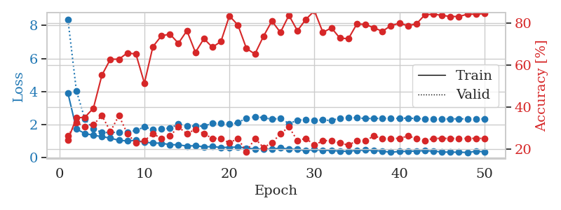
1.517692058 | 1.7061958779 | 0.39945652174 | 0.28260869565 | 0.088758707047 | 39.945652174 | 28.260869565
1.3375201277 | 1.9669682824 | 0.35869565217 | 0.3152173913 | 0.085493803024 | 35.869565217 | 31.52173913
1.2910896073 | 1.7456717698 | 0.48097826087 | 0.22826086957 | 0.08565568924 | 48.097826087 | 22.826086957
1.2309534213 | 1.70020487 | 0.54347826087 | 0.27173913043 | 0.085507631302 | 54.347826087 | 27.173913043
1.1767245868 | 1.6942770066 | 0.57608695652 | 0.28260869565 | 0.08510684967 | 57.608695652 | 28.260869565
1.1458226546 | 1.6231453315 | 0.59782608696 | 0.32608695652 | 0.084994077682 | 59.782608696 | 32.608695652
1.0685709119 | 1.5919619436 | 0.6875 | 0.3152173913 | 0.085207700729 | 68.75 | 31.52173913
1.0760583878 | 1.6658812191 | 0.66304347826 | 0.28260869565 | 0.085246801376 | 66.304347826 | 28.260869565
0.9913375896 | 1.7517057554 | 0.67119565217 | 0.3152173913 | 0.085620880127 | 67.119565217 | 31.52173913
0.92702674607 | 1.6834516473 | 0.76358695652 | 0.33695652174 | 0.085257530212 | 76.358695652 | 33.695652174
0.95066150634 | 1.7296940347 | 0.75815217391 | 0.33695652174 | 0.085265398026 | 75.815217391 | 33.695652174
0.8372007427 | 1.7967662604 | 0.76086956522 | 0.3152173913 | 0.08549451828 | 76.086956522 | 31.52173913
0.8389200335 | 1.842282912 | 0.78804347826 | 0.29347826087 | 0.084889650345 | 78.804347826 | 29.347826087
0.80891523672 | 1.8607005036 | 0.76630434783 | 0.30434782609 | 0.084868907928 | 76.630434783 | 30.434782609
0.81978572581 | 1.7086101615 | 0.86413043478 | 0.3152173913 | 0.084686756134 | 86.413043478 | 31.52173913
0.74322705165 | 1.6878174025 | 0.89945652174 | 0.35869565217 | 0.084850549698 | 89.945652174 | 35.869565217
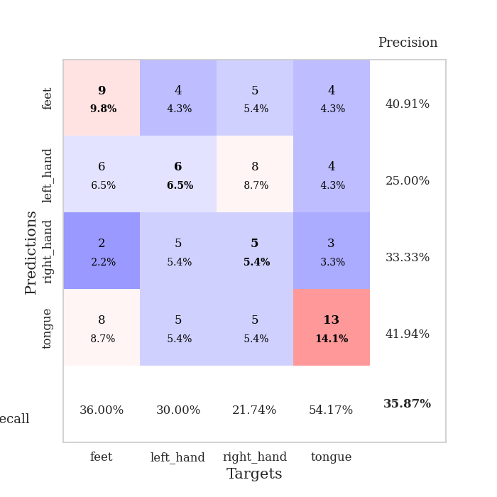
0.72704440744 | 1.8339329595 | 0.88315217391 | 0.39130434783 | 0.092724084854 | 88.315217391 | 39.130434783
0.69299300598 | 1.7329770482 | 0.86956521739 | 0.35869565217 | 0.086485147476 | 86.956521739 | 35.869565217
0.68509242846 | 1.8176270827 | 0.90760869565 | 0.34782608696 | 0.085849523544 | 90.760869565 | 34.782608696
0.58737565253 | 1.8425000958 | 0.84782608696 | 0.33695652174 | 0.086154222488 | 84.782608696 | 33.695652174
0.61777108519 | 1.870024339 | 0.90489130435 | 0.36956521739 | 0.08572769165 | 90.489130435 | 36.956521739
0.560073986 | 1.8906925813 | 0.90760869565 | 0.33695652174 | 0.085312366486 | 90.760869565 | 33.695652174
0.56971913965 | 1.9238137214 | 0.8722826087 | 0.33695652174 | 0.085823297501 | 87.22826087 | 33.695652174
0.5400393074 | 1.971175795 | 0.84782608696 | 0.3152173913 | 0.085599422455 | 84.782608696 | 31.52173913
0.50494977054 | 1.9805828799 | 0.92663043478 | 0.3152173913 | 0.086259841919 | 92.663043478 | 31.52173913
0.49914702773 | 2.0262672331 | 0.90760869565 | 0.33695652174 | 0.086239337921 | 90.760869565 | 33.695652174
0.53315341602 | 1.915095179 | 0.9347826087 | 0.32608695652 | 0.085918188095 | 93.47826087 | 32.608695652
0.51850260081 | 1.9864501798 | 0.92391304348 | 0.27173913043 | 0.086401224136 | 92.391304348 | 27.173913043
0.53093838692 | 1.9563459573 | 0.9347826087 | 0.26086956522 | 0.096494197845 | 93.47826087 | 26.086956522
0.49330963 | 1.9859500087 | 0.91032608696 | 0.26086956522 | 0.089884519577 | 91.032608696 | 26.086956522
0.49025209118 | 1.9833223353 | 0.92663043478 | 0.30434782609 | 0.087436437607 | 92.663043478 | 30.434782609
0.4566060052 | 1.9566288254 | 0.94836956522 | 0.28260869565 | 0.085608005524 | 94.836956522 | 28.260869565
0.44043698065 | 2.0490428313 | 0.90217391304 | 0.27173913043 | 0.08814406395 | 90.217391304 | 27.173913043
0.37359743727 | 2.0625134085 | 0.90217391304 | 0.29347826087 | 0.085524082184 | 90.217391304 | 29.347826087
0.40029182577 | 2.0569939613 | 0.90760869565 | 0.29347826087 | 0.085736513138 | 90.760869565 | 29.347826087
0.41706398583 | 1.967084527 | 0.96195652174 | 0.30434782609 | 0.085534572601 | 96.195652174 | 30.434782609
0.43545210167 | 2.0237000507 | 0.9375 | 0.29347826087 | 0.085909605026 | 93.75 | 29.347826087
0.39099129516 | 2.0304616431 | 0.94293478261 | 0.3152173913 | 0.085726737976 | 94.293478261 | 31.52173913
0.38749282645 | 1.9947847128 | 0.96739130435 | 0.3152173913 | 0.085429191589 | 96.739130435 | 31.52173913
0.35096240368 | 2.019132951 | 0.95380434783 | 0.30434782609 | 0.085813760757 | 95.380434783 | 30.434782609
0.40861942068 | 2.0117794742 | 0.95108695652 | 0.30434782609 | 0.086006164551 | 95.108695652 | 30.434782609
0.36717879124 | 1.9845592457 | 0.96195652174 | 0.30434782609 | 0.085893392563 | 96.195652174 | 30.434782609
0.40275773212 | 1.9905690991 | 0.95923913043 | 0.30434782609 | 0.085634469986 | 95.923913043 | 30.434782609
0.35451181816 | 1.9984771013 | 0.95652173913 | 0.30434782609 | 0.085477590561 | 95.652173913 | 30.434782609
0.40967533964 | 2.0032450064 | 0.96195652174 | 0.30434782609 | 0.085622310638 | 96.195652174 | 30.434782609
0.35590991767 | 2.000145228 | 0.96467391304 | 0.30434782609 | 0.085654258728 | 96.467391304 | 30.434782609
0.35709052112 | 1.9993513149 | 0.96467391304 | 0.30434782609 | 0.085650682449 | 96.467391304 | 30.434782609
0.42687096868 | 1.9974029531 | 0.97010869565 | 0.30434782609 | 0.085665464401 | 97.010869565 | 30.434782609

Best Val accuracy is 0.391304347826087 and Best test accuracy is 0.31896551724137934

