Sheet
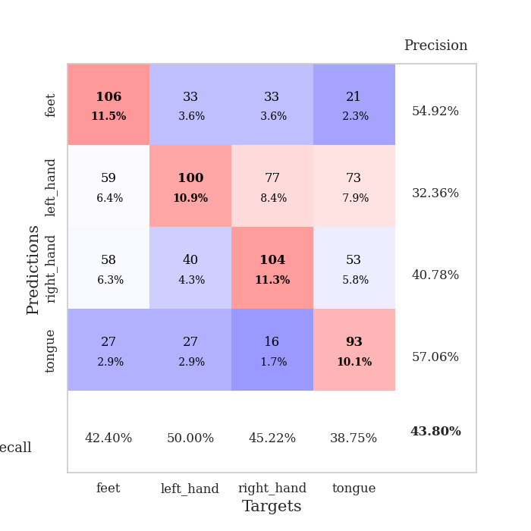
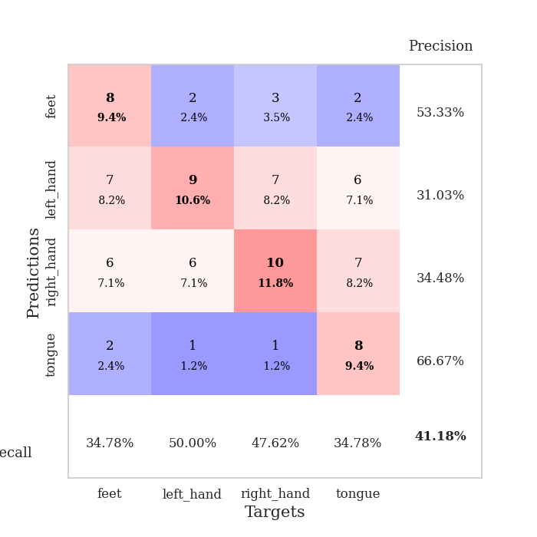
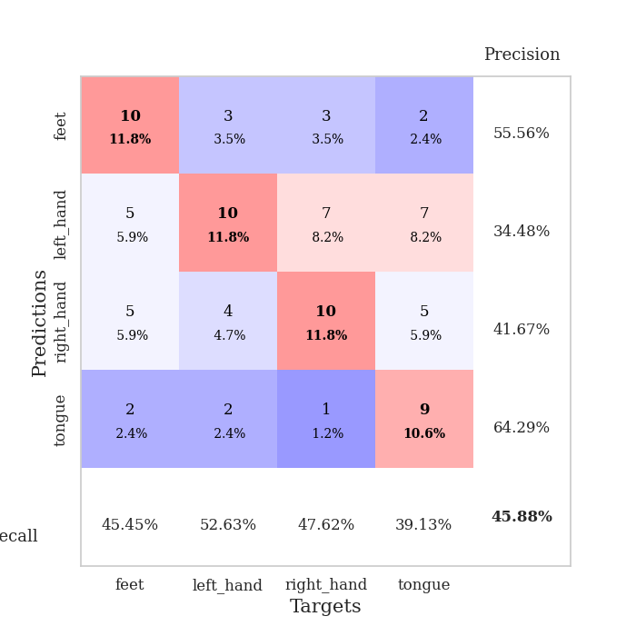
best_val_acc | best_val_los | best_test_acc
0.41304347826 | 1.4006010449 | 0.5
0.46739130435 | 1.4438663566 | 0.43965517241
0.44565217391 | 1.434914817 | 0.39655172414
0.40217391304 | 1.4238082585 | 0.34482758621
0.38043478261 | 1.6195334559 | 0.3275862069
0.39130434783 | 1.4479572514 | 0.4224137931
0.46739130435 | 1.488123277 | 0.31896551724
0.4347826087 | 1.3560523779 | 0.34482758621
0.33695652174 | 1.6113716053 | 0.38793103448
0.35869565217 | 1.479840771 | 0.39655172414

Mean,std Val accuracy is 0.40978260869565214 , 0.04438960332113559 and mean, std test accuracy is 0.3879310344827586 , 0.05645655949536925
best_val_acc | best_val_los | best_test_acc
0.44565217391 | 1.3471629671 | 0.4224137931
0.45652173913 | 1.2945950964 | 0.4224137931
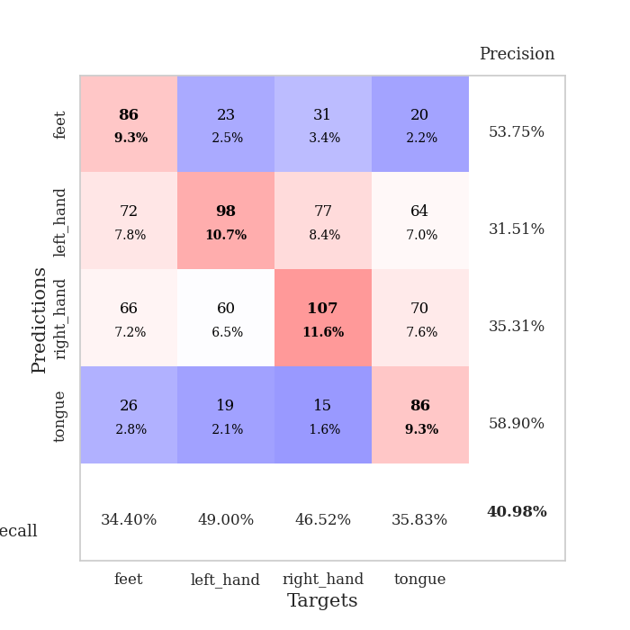
0.45652173913 | 1.299708185 | 0.38793103448
0.47826086957 | 1.3572136371 | 0.37068965517
0.33695652174 | 1.5007160643 | 0.39655172414
0.41304347826 | 1.4303520089 | 0.27586206897
0.41304347826 | 1.4270205653 | 0.25862068966
0.52173913043 | 1.2526519143 | 0.41379310345
0.45652173913 | 1.3517371883 | 0.33620689655
0.40217391304 | 1.3943244219 | 0.38793103448

Mean,std Val accuracy is 0.43804347826086953 , 0.04995534658035987 and mean, std test accuracy is 0.3672413793103448 , 0.058778242186416536

Sheet1
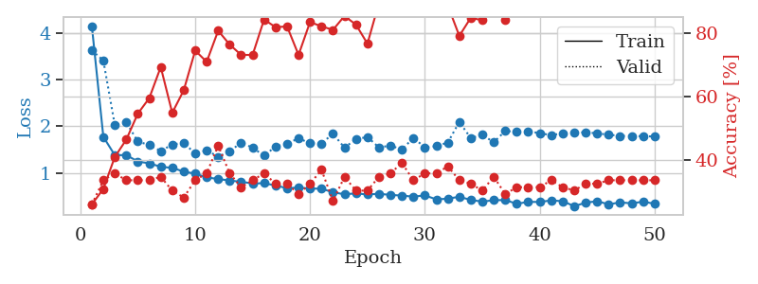
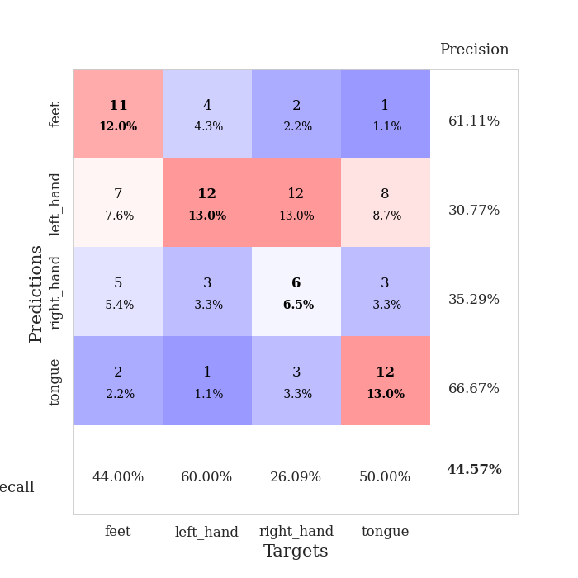
train_loss | valid_loss | train_accuracy | valid_accuracy | dur | train_misclass | valid_misclass
4.2460577799 | 3.71691228 | 0.28804347826 | 0.23913043478 | 0.086559534073 | 28.804347826 | 23.913043478
1.6819293188 | 2.1524252788 | 0.3722826087 | 0.33695652174 | 0.08130645752 | 37.22826087 | 33.695652174
1.3743504364 | 1.8826477528 | 0.44836956522 | 0.27173913043 | 0.081093788147 | 44.836956522 | 27.173913043
1.2588385836 | 1.8555223009 | 0.48097826087 | 0.26086956522 | 0.080994129181 | 48.097826087 | 26.086956522
1.2298816235 | 1.8742014325 | 0.48369565217 | 0.30434782609 | 0.081015110016 | 48.369565217 | 30.434782609
1.0666638276 | 1.6532851354 | 0.6277173913 | 0.26086956522 | 0.081062078476 | 62.77173913 | 26.086956522
1.0723058322 | 1.6611280286 | 0.64673913043 | 0.25 | 0.080984592438 | 64.673913043 | 25
1.082123886 | 1.6101975441 | 0.68206521739 | 0.27173913043 | 0.081064224243 | 68.206521739 | 27.173913043
0.9964927098 | 1.64288597 | 0.72554347826 | 0.28260869565 | 0.080836057663 | 72.554347826 | 28.260869565
1.0105086876 | 1.6194927485 | 0.72010869565 | 0.29347826087 | 0.080852985382 | 72.010869565 | 29.347826087
1.0258347651 | 1.6081489947 | 0.68206521739 | 0.30434782609 | 0.080900430679 | 68.206521739 | 30.434782609
0.99462320234 | 1.6222909793 | 0.69293478261 | 0.28260869565 | 0.081103801727 | 69.293478261 | 28.260869565
0.86387362947 | 1.5289270204 | 0.72282608696 | 0.30434782609 | 0.080978155136 | 72.282608696 | 30.434782609
0.85831165314 | 1.5818112104 | 0.76902173913 | 0.35869565217 | 0.081238031387 | 76.902173913 | 35.869565217
0.82054465491 | 1.6339800513 | 0.66032608696 | 0.3152173913 | 0.081217050552 | 66.032608696 | 31.52173913
0.74257616504 | 1.7471663123 | 0.82065217391 | 0.3152173913 | 0.080970525742 | 82.065217391 | 31.52173913
0.70992619706 | 1.7090546567 | 0.82608695652 | 0.32608695652 | 0.081099748611 | 82.608695652 | 32.608695652
0.69564623548 | 1.6072323633 | 0.85054347826 | 0.34782608696 | 0.081090688705 | 85.054347826 | 34.782608696
0.72628336886 | 1.6488712663 | 0.79076086957 | 0.32608695652 | 0.080809831619 | 79.076086957 | 32.608695652
0.74421705111 | 1.5550980412 | 0.88043478261 | 0.34782608696 | 0.081198215485 | 88.043478261 | 34.782608696
0.66407377435 | 1.6277600216 | 0.86141304348 | 0.33695652174 | 0.080883979797 | 86.141304348 | 33.695652174
0.6470607273 | 1.612965843 | 0.86684782609 | 0.33695652174 | 0.081183671951 | 86.684782609 | 33.695652174
0.66530757883 | 1.5440032068 | 0.89673913043 | 0.38043478261 | 0.08100104332 | 89.673913043 | 38.043478261
0.56796529112 | 1.4006010449 | 0.89945652174 | 0.40217391304 | 0.081369161606 | 89.945652174 | 40.217391304
0.64142406116 | 1.6293588514 | 0.88858695652 | 0.29347826087 | 0.086946725845 | 88.858695652 | 29.347826087
0.47955524792 | 1.5086465297 | 0.86141304348 | 0.39130434783 | 0.081123828888 | 86.141304348 | 39.130434783
0.49626990958 | 1.5198718983 | 0.86956521739 | 0.38043478261 | 0.080960035324 | 86.956521739 | 38.043478261
0.51537548265 | 1.6098859466 | 0.86141304348 | 0.38043478261 | 0.080876111984 | 86.141304348 | 38.043478261
0.54105964368 | 1.6444586775 | 0.89673913043 | 0.33695652174 | 0.080868005753 | 89.673913043 | 33.695652174
0.48903790699 | 1.5289869153 | 0.89402173913 | 0.36956521739 | 0.080936431885 | 89.402173913 | 36.956521739
0.42777368167 | 1.7507436638 | 0.78532608696 | 0.29347826087 | 0.080940961838 | 78.532608696 | 29.347826087
0.44621602932 | 1.6194704201 | 0.90489130435 | 0.32608695652 | 0.081097602844 | 90.489130435 | 32.608695652
0.47834013467 | 1.6381581037 | 0.85869565217 | 0.30434782609 | 0.081372499466 | 85.869565217 | 30.434782609
0.43947779614 | 1.5491054991 | 0.86413043478 | 0.33695652174 | 0.081309318542 | 86.413043478 | 33.695652174
0.43415046127 | 1.6692476843 | 0.82608695652 | 0.33695652174 | 0.081428766251 | 82.608695652 | 33.695652174
0.37524644642 | 1.4679951409 | 0.89402173913 | 0.41304347826 | 0.081442594528 | 89.402173913 | 41.304347826
0.39629851573 | 1.5027120424 | 0.92934782609 | 0.39130434783 | 0.081349611282 | 92.934782609 | 39.130434783
0.39032103186 | 1.6463521823 | 0.88043478261 | 0.35869565217 | 0.081479549408 | 88.043478261 | 35.869565217
0.37113476123 | 1.5899628764 | 0.91847826087 | 0.34782608696 | 0.081245422363 | 91.847826087 | 34.782608696
0.39750092444 | 1.5780851271 | 0.90489130435 | 0.35869565217 | 0.081196784973 | 90.489130435 | 35.869565217
0.35239640267 | 1.5806030242 | 0.90489130435 | 0.34782608696 | 0.081166028976 | 90.489130435 | 34.782608696
0.40284527417 | 1.5634880066 | 0.92934782609 | 0.35869565217 | 0.081166028976 | 92.934782609 | 35.869565217
0.39859953847 | 1.5571622486 | 0.9402173913 | 0.38043478261 | 0.081120729446 | 94.02173913 | 38.043478261
0.38212009487 | 1.5445774534 | 0.94293478261 | 0.39130434783 | 0.081322669983 | 94.293478261 | 39.130434783
0.40537440323 | 1.5360154898 | 0.94565217391 | 0.38043478261 | 0.081313610077 | 94.565217391 | 38.043478261
0.37008542794 | 1.5350797228 | 0.94836956522 | 0.38043478261 | 0.08168888092 | 94.836956522 | 38.043478261
0.35742400975 | 1.5371645274 | 0.95108695652 | 0.38043478261 | 0.0812728405 | 95.108695652 | 38.043478261
0.35149388274 | 1.536490316 | 0.95108695652 | 0.38043478261 | 0.081258773804 | 95.108695652 | 38.043478261
0.35965953508 | 1.5351248409 | 0.95108695652 | 0.36956521739 | 0.081364870071 | 95.108695652 | 36.956521739
0.34551072477 | 1.5336135626 | 0.95380434783 | 0.38043478261 | 0.081295490265 | 95.380434783 | 38.043478261

Best Val accuracy is 0.41304347826086957 and Best test accuracy is 0.5
train_loss | valid_loss | train_accuracy | valid_accuracy | dur | train_misclass | valid_misclass
4.1432351755 | 3.624822119 | 0.26086956522 | 0.26086956522 | 0.0894780159 | 26.086956522 | 26.086956522
1.7725754613 | 3.405051335 | 0.3097826087 | 0.33695652174 | 0.086412191391 | 30.97826087 | 33.695652174
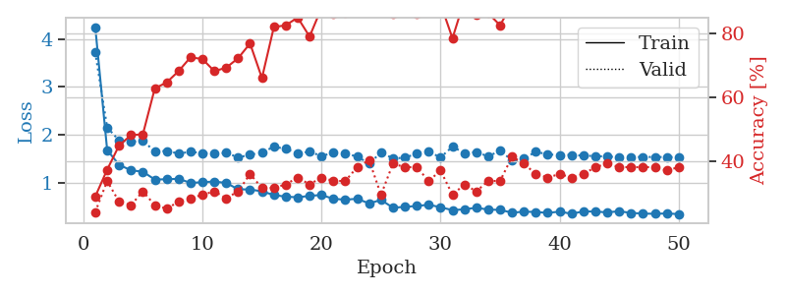
1.378855656 | 2.0234731591 | 0.41032608696 | 0.35869565217 | 0.086087465286 | 41.032608696 | 35.869565217
1.3820760924 | 2.0828172124 | 0.46467391304 | 0.33695652174 | 0.08559513092 | 46.467391304 | 33.695652174
1.2439923468 | 1.6718408025 | 0.54619565217 | 0.33695652174 | 0.085945129395 | 54.619565217 | 33.695652174
1.2049977261 | 1.5970519574 | 0.59510869565 | 0.33695652174 | 0.085552692413 | 59.510869565 | 33.695652174
1.1312274104 | 1.4667039591 | 0.69293478261 | 0.34782608696 | 0.085728168488 | 69.293478261 | 34.782608696
1.107506581 | 1.6085421469 | 0.54891304348 | 0.30434782609 | 0.085612535477 | 54.891304348 | 30.434782609
1.0286727677 | 1.6421020912 | 0.61956521739 | 0.28260869565 | 0.085769891739 | 61.956521739 | 28.260869565
0.9829710722 | 1.4155851447 | 0.74456521739 | 0.33695652174 | 0.085426807404 | 74.456521739 | 33.695652174
0.90213682081 | 1.4815011232 | 0.70923913043 | 0.35869565217 | 0.085650444031 | 70.923913043 | 35.869565217
0.87062767278 | 1.3471629671 | 0.80706521739 | 0.44565217391 | 0.085680484772 | 80.706521739 | 44.565217391
0.83581519904 | 1.4598354257 | 0.76358695652 | 0.35869565217 | 0.085589170456 | 76.358695652 | 35.869565217
0.81037215565 | 1.6489258227 | 0.73097826087 | 0.3152173913 | 0.085663318634 | 73.097826087 | 31.52173913
0.77351206282 | 1.5391346475 | 0.73097826087 | 0.33695652174 | 0.085519075394 | 73.097826087 | 33.695652174
0.78043024436 | 1.3680945065 | 0.84239130435 | 0.35869565217 | 0.085399389267 | 84.239130435 | 35.869565217
0.72986078392 | 1.5646670435 | 0.81793478261 | 0.32608695652 | 0.085559844971 | 81.793478261 | 32.608695652
0.67349238111 | 1.6243175216 | 0.82065217391 | 0.32608695652 | 0.085657596588 | 82.065217391 | 32.608695652
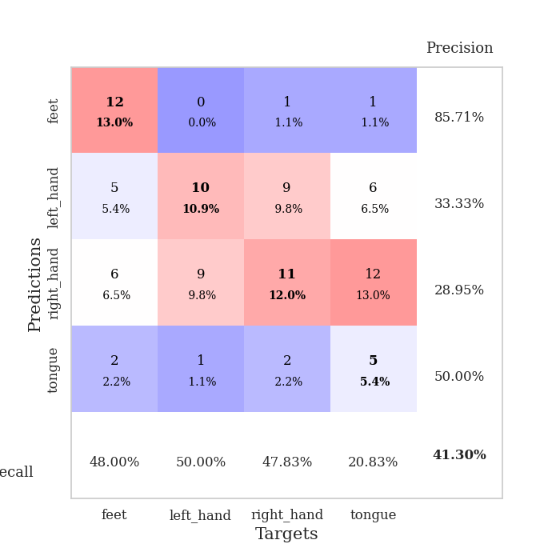
0.6861768339 | 1.7413399064 | 0.73097826087 | 0.29347826087 | 0.085514545441 | 73.097826087 | 29.347826087
0.66461736871 | 1.6343183103 | 0.83423913043 | 0.32608695652 | 0.085316896439 | 83.423913043 | 32.608695652
0.66209268829 | 1.6301167374 | 0.82065217391 | 0.36956521739 | 0.085719347 | 82.065217391 | 36.956521739
0.5839975256 | 1.8396635781 | 0.8097826087 | 0.27173913043 | 0.088582754135 | 80.97826087 | 27.173913043
0.54284340662 | 1.539298099 | 0.85326086957 | 0.34782608696 | 0.091935634613 | 85.326086957 | 34.782608696
0.56130380864 | 1.7250447325 | 0.82608695652 | 0.30434782609 | 0.08561706543 | 82.608695652 | 30.434782609
0.53778817537 | 1.7672582295 | 0.76630434783 | 0.30434782609 | 0.085433721542 | 76.630434783 | 30.434782609
0.5535417536 | 1.5449294629 | 0.89402173913 | 0.34782608696 | 0.085619688034 | 89.402173913 | 34.782608696
0.52891702756 | 1.5848540638 | 0.86956521739 | 0.35869565217 | 0.085237026215 | 86.956521739 | 35.869565217
0.51482086726 | 1.5010467975 | 0.92119565217 | 0.39130434783 | 0.085555791855 | 92.119565217 | 39.130434783
0.49188755647 | 1.7506331516 | 0.88586956522 | 0.33695652174 | 0.085512876511 | 88.586956522 | 33.695652174
0.51866687057 | 1.5460689586 | 0.93206521739 | 0.35869565217 | 0.085494756699 | 93.206521739 | 35.869565217
0.43304602089 | 1.5715325242 | 0.91304347826 | 0.35869565217 | 0.085850954056 | 91.304347826 | 35.869565217
0.44891108702 | 1.6505877402 | 0.88586956522 | 0.38043478261 | 0.085432291031 | 88.586956522 | 38.043478261
0.4894547145 | 2.0918301707 | 0.79076086957 | 0.33695652174 | 0.085449695587 | 79.076086957 | 33.695652174
0.4209059885 | 1.7436387591 | 0.84782608696 | 0.32608695652 | 0.085388183594 | 84.782608696 | 32.608695652
0.38575115217 | 1.8166534642 | 0.83967391304 | 0.30434782609 | 0.085802555084 | 83.967391304 | 30.434782609
0.41536918801 | 1.6540303645 | 0.91304347826 | 0.34782608696 | 0.085977077484 | 91.304347826 | 34.782608696
0.41922205816 | 1.8993575884 | 0.83967391304 | 0.29347826087 | 0.085589408875 | 83.967391304 | 29.347826087
0.33870736769 | 1.8761344733 | 0.88586956522 | 0.3152173913 | 0.085628032684 | 88.586956522 | 31.52173913
0.3799330482 | 1.8912026364 | 0.8777173913 | 0.3152173913 | 0.085387229919 | 87.77173913 | 31.52173913
0.37834969098 | 1.8502140045 | 0.88043478261 | 0.3152173913 | 0.085263967514 | 88.043478261 | 31.52173913
0.41125085367 | 1.8088621212 | 0.88586956522 | 0.33695652174 | 0.085269212723 | 88.586956522 | 33.695652174
0.39440170902 | 1.8469916167 | 0.88586956522 | 0.3152173913 | 0.08521270752 | 88.586956522 | 31.52173913
0.28883497158 | 1.8619410525 | 0.88586956522 | 0.30434782609 | 0.0855717659 | 88.586956522 | 30.434782609
0.36206169945 | 1.8698858386 | 0.88315217391 | 0.32608695652 | 0.086646556854 | 88.315217391 | 32.608695652
0.39486882091 | 1.8460975574 | 0.89945652174 | 0.32608695652 | 0.086471796036 | 89.945652174 | 32.608695652
0.32721574216 | 1.8182594413 | 0.90217391304 | 0.33695652174 | 0.086584329605 | 90.217391304 | 33.695652174
0.36876358092 | 1.792121146 | 0.91576086957 | 0.33695652174 | 0.086112260818 | 91.576086957 | 33.695652174
0.34914783518 | 1.7914877767 | 0.91576086957 | 0.33695652174 | 0.085625886917 | 91.576086957 | 33.695652174
0.38349283713 | 1.7838646588 | 0.91576086957 | 0.33695652174 | 0.085452079773 | 91.576086957 | 33.695652174
0.3404482182 | 1.7802534311 | 0.91576086957 | 0.33695652174 | 0.085300207138 | 91.576086957 | 33.695652174

Best Val accuracy is 0.44565217391304346 and Best test accuracy is 0.4224137931034483

Sheet2
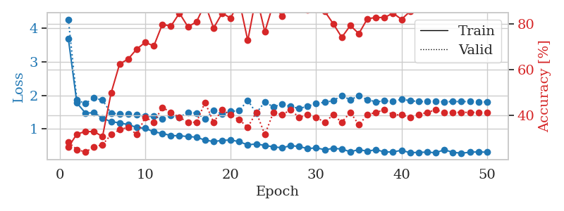
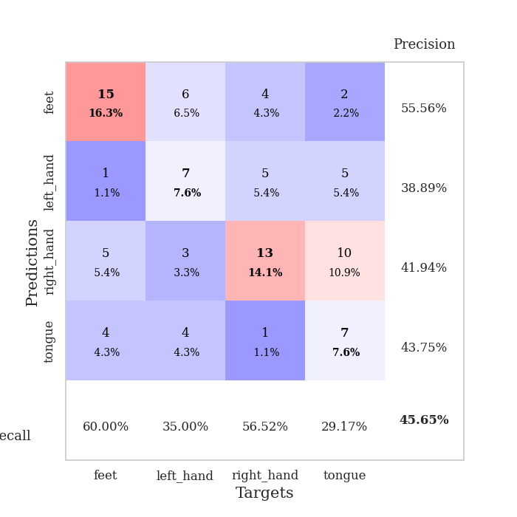
train_loss | valid_loss | train_accuracy | valid_accuracy | dur | train_misclass | valid_misclass
3.8653055533 | 3.5695649126 | 0.26086956522 | 0.21739130435 | 0.082152843475 | 26.086956522 | 21.739130435
1.5362118327 | 1.9950318855 | 0.42119565217 | 0.35869565217 | 0.081087350845 | 42.119565217 | 35.869565217
1.3713549168 | 1.9964017557 | 0.42663043478 | 0.33695652174 | 0.081467866898 | 42.663043478 | 33.695652174
1.273518412 | 1.8008837596 | 0.53260869565 | 0.32608695652 | 0.0814037323 | 53.260869565 | 32.608695652
1.2046239013 | 1.6381221543 | 0.60597826087 | 0.35869565217 | 0.080911874771 | 60.597826087 | 35.869565217
1.0898556502 | 1.6592724738 | 0.65489130435 | 0.35869565217 | 0.08087682724 | 65.489130435 | 35.869565217
0.95225935915 | 1.649633646 | 0.6847826087 | 0.36956521739 | 0.081293821335 | 68.47826087 | 36.956521739
0.94258258135 | 1.6688859255 | 0.72010869565 | 0.40217391304 | 0.081171512604 | 72.010869565 | 40.217391304
0.92811098306 | 1.4438663566 | 0.73097826087 | 0.44565217391 | 0.081144809723 | 73.097826087 | 44.565217391
0.81635639978 | 1.6014705326 | 0.75543478261 | 0.39130434783 | 0.081388473511 | 75.543478261 | 39.130434783
0.79118228218 | 1.4983872538 | 0.80163043478 | 0.4347826087 | 0.081111431122 | 80.163043478 | 43.47826087
0.88373263634 | 1.4951583717 | 0.83967391304 | 0.44565217391 | 0.081193685532 | 83.967391304 | 44.565217391
0.79490117664 | 1.5730012085 | 0.83967391304 | 0.46739130435 | 0.081134319305 | 83.967391304 | 46.739130435
0.78224042706 | 1.5438464932 | 0.86141304348 | 0.46739130435 | 0.081404447556 | 86.141304348 | 46.739130435
0.69866154375 | 1.5157967702 | 0.85869565217 | 0.45652173913 | 0.081187009811 | 85.869565217 | 45.652173913
0.68793010323 | 1.5709103812 | 0.875 | 0.4347826087 | 0.081172227859 | 87.5 | 43.47826087
0.64793848603 | 1.6697882258 | 0.85869565217 | 0.42391304348 | 0.080806732178 | 85.869565217 | 42.391304348
0.62356857372 | 1.5854719722 | 0.86141304348 | 0.44565217391 | 0.080911636353 | 86.141304348 | 44.565217391
0.61933097632 | 1.6262894713 | 0.91576086957 | 0.4347826087 | 0.081031560898 | 91.576086957 | 43.47826087
0.56872760861 | 1.6036902096 | 0.91032608696 | 0.39130434783 | 0.081390619278 | 91.032608696 | 39.130434783
0.5682541281 | 1.7041204494 | 0.91576086957 | 0.4347826087 | 0.081240653992 | 91.576086957 | 43.47826087
0.52585975372 | 1.8814954032 | 0.89130434783 | 0.4347826087 | 0.081150531769 | 89.130434783 | 43.47826087
0.47717809418 | 2.0391697469 | 0.84239130435 | 0.38043478261 | 0.081152677536 | 84.239130435 | 38.043478261
0.52498052561 | 1.8925531636 | 0.85597826087 | 0.39130434783 | 0.081055164337 | 85.597826087 | 39.130434783
0.52320908204 | 1.8675963671 | 0.89673913043 | 0.40217391304 | 0.080987215042 | 89.673913043 | 40.217391304
0.48336027887 | 2.0579348336 | 0.81793478261 | 0.34782608696 | 0.080909252167 | 81.793478261 | 34.782608696
0.39595901707 | 1.9291458959 | 0.88043478261 | 0.36956521739 | 0.0814037323 | 88.043478261 | 36.956521739
0.38492111603 | 2.0562291871 | 0.88858695652 | 0.36956521739 | 0.081059455872 | 88.858695652 | 36.956521739
0.45228404714 | 1.9390928642 | 0.91304347826 | 0.39130434783 | 0.081144809723 | 91.304347826 | 39.130434783
0.36564297391 | 1.9163675308 | 0.92391304348 | 0.39130434783 | 0.080716848373 | 92.391304348 | 39.130434783
0.43965060361 | 2.1108392944 | 0.89402173913 | 0.38043478261 | 0.080537080765 | 89.402173913 | 38.043478261
0.39907713688 | 1.9475162859 | 0.93206521739 | 0.40217391304 | 0.081381797791 | 93.206521739 | 40.217391304
0.38981198098 | 1.9926494204 | 0.92119565217 | 0.38043478261 | 0.081055164337 | 92.119565217 | 38.043478261
0.35764985758 | 2.0232082346 | 0.92934782609 | 0.38043478261 | 0.081444978714 | 92.934782609 | 38.043478261
0.4307133536 | 2.0793629418 | 0.91847826087 | 0.35869565217 | 0.081214904785 | 91.847826087 | 35.869565217
0.34752345668 | 2.0953295646 | 0.92119565217 | 0.39130434783 | 0.08096575737 | 92.119565217 | 39.130434783
0.35621651165 | 2.1780959938 | 0.89673913043 | 0.35869565217 | 0.081210374832 | 89.673913043 | 35.869565217
0.30875299936 | 2.1516777018 | 0.93206521739 | 0.34782608696 | 0.08109664917 | 93.206521739 | 34.782608696
0.30501854938 | 2.11782358 | 0.92391304348 | 0.38043478261 | 0.081084012985 | 92.391304348 | 38.043478261
0.28536219377 | 2.1459425947 | 0.91032608696 | 0.36956521739 | 0.08117556572 | 91.032608696 | 36.956521739
0.34455227398 | 2.0902834975 | 0.9375 | 0.39130434783 | 0.08100104332 | 93.75 | 39.130434783
0.30818611529 | 2.1525075332 | 0.91304347826 | 0.35869565217 | 0.081259250641 | 91.304347826 | 35.869565217
0.32269309979 | 2.1508384373 | 0.92934782609 | 0.35869565217 | 0.081123352051 | 92.934782609 | 35.869565217
0.2993684288 | 2.1390694432 | 0.94293478261 | 0.36956521739 | 0.080955505371 | 94.293478261 | 36.956521739
0.31322272835 | 2.1378056588 | 0.94565217391 | 0.38043478261 | 0.081095933914 | 94.565217391 | 38.043478261
0.35883467904 | 2.122833677 | 0.94565217391 | 0.38043478261 | 0.081044197083 | 94.565217391 | 38.043478261
0.28147857247 | 2.1161316478 | 0.94565217391 | 0.38043478261 | 0.08128619194 | 94.565217391 | 38.043478261
0.29076777204 | 2.1147391796 | 0.94836956522 | 0.38043478261 | 0.081150770187 | 94.836956522 | 38.043478261
0.33564958171 | 2.1126681514 | 0.95108695652 | 0.38043478261 | 0.081075191498 | 95.108695652 | 38.043478261
0.34499463698 | 2.1115969471 | 0.95380434783 | 0.38043478261 | 0.081381320953 | 95.380434783 | 38.043478261

Best Val accuracy is 0.4673913043478261 and Best test accuracy is 0.4396551724137931
train_loss | valid_loss | train_accuracy | valid_accuracy | dur | train_misclass | valid_misclass
3.6912355008 | 4.2665457518 | 0.26086956522 | 0.28260869565 | 0.086853504181 | 26.086956522 | 28.260869565
1.7724836598 | 1.8539375844 | 0.31793478261 | 0.25 | 0.084823608398 | 31.793478261 | 25
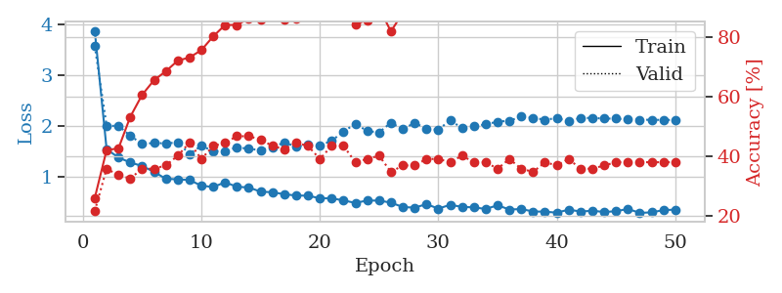
1.4723857227 | 1.758969167 | 0.32880434783 | 0.23913043478 | 0.084792375565 | 32.880434783 | 23.913043478
1.4804265033 | 1.9192401482 | 0.32880434783 | 0.26086956522 | 0.084944963455 | 32.880434783 | 26.086956522
1.3235810736 | 1.8561594227 | 0.30706521739 | 0.27173913043 | 0.084473371506 | 30.706521739 | 27.173913043
1.2117159082 | 1.4677290968 | 0.4972826087 | 0.3152173913 | 0.084943294525 | 49.72826087 | 31.52173913
1.1810896915 | 1.4462980809 | 0.625 | 0.33695652174 | 0.084802627563 | 62.5 | 33.695652174
1.1255524055 | 1.4394788898 | 0.64673913043 | 0.34782608696 | 0.084951639175 | 64.673913043 | 34.782608696
1.0432460178 | 1.4146135423 | 0.6902173913 | 0.3152173913 | 0.084384202957 | 69.02173913 | 31.52173913
1.0158502304 | 1.3788180092 | 0.72010869565 | 0.39130434783 | 0.084450006485 | 72.010869565 | 39.130434783
0.90979944364 | 1.3735537322 | 0.70380434783 | 0.36956521739 | 0.084888935089 | 70.380434783 | 36.956521739
0.86582225561 | 1.2945950964 | 0.79891304348 | 0.4347826087 | 0.084340810776 | 79.891304348 | 43.47826087
0.79819991018 | 1.392901291 | 0.79076086957 | 0.41304347826 | 0.085039377213 | 79.076086957 | 41.304347826
0.7950850764 | 1.3424425488 | 0.84782608696 | 0.39130434783 | 0.084797382355 | 84.782608696 | 39.130434783
0.76993451948 | 1.4953449343 | 0.78804347826 | 0.36956521739 | 0.085188865662 | 78.804347826 | 36.956521739
0.75206474377 | 1.4692080384 | 0.8097826087 | 0.36956521739 | 0.088355302811 | 80.97826087 | 36.956521739
0.66246731644 | 1.2946822125 | 0.88858695652 | 0.45652173913 | 0.085796117783 | 88.858695652 | 45.652173913
0.62355698969 | 1.547310824 | 0.78260869565 | 0.36956521739 | 0.087592601776 | 78.260869565 | 36.956521739
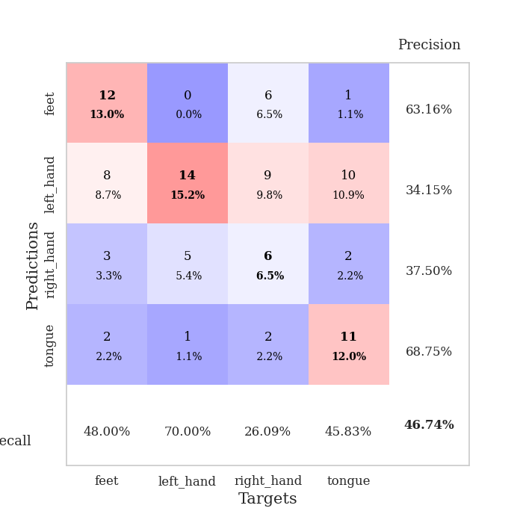
0.65409504395 | 1.4423118622 | 0.84782608696 | 0.42391304348 | 0.085244417191 | 84.782608696 | 42.391304348
0.6693752097 | 1.5225370708 | 0.82608695652 | 0.40217391304 | 0.085415840149 | 82.608695652 | 40.217391304
0.61709222716 | 1.5417008037 | 0.90217391304 | 0.38043478261 | 0.085335969925 | 90.217391304 | 38.043478261
0.52115971109 | 1.8530122249 | 0.72826086957 | 0.34782608696 | 0.085290908813 | 72.826086957 | 34.782608696
0.55278055046 | 1.4674160221 | 0.92391304348 | 0.41304347826 | 0.08681845665 | 92.391304348 | 41.304347826
0.50189684915 | 1.809428044 | 0.76630434783 | 0.3152173913 | 0.087738752365 | 76.630434783 | 31.52173913
0.46607858331 | 1.6476970756 | 0.89130434783 | 0.41304347826 | 0.086114406586 | 89.130434783 | 41.304347826
0.43383835321 | 1.7452643799 | 0.83423913043 | 0.40217391304 | 0.085302829742 | 83.423913043 | 40.217391304
0.49854357735 | 1.666113983 | 0.88858695652 | 0.42391304348 | 0.085706710815 | 88.858695652 | 42.391304348
0.47493103406 | 1.6096727122 | 0.8777173913 | 0.39130434783 | 0.085575819016 | 87.77173913 | 39.130434783
0.4105239977 | 1.6702661048 | 0.86141304348 | 0.40217391304 | 0.091273784637 | 86.141304348 | 40.217391304
0.43306124146 | 1.7589405049 | 0.86684782609 | 0.39130434783 | 0.086918830872 | 86.684782609 | 39.130434783
0.37984143327 | 1.7918866562 | 0.85597826087 | 0.36956521739 | 0.085602998734 | 85.597826087 | 36.956521739
0.41613055506 | 1.8406687768 | 0.80163043478 | 0.40217391304 | 0.085487127304 | 80.163043478 | 40.217391304
0.3999016868 | 1.9903735441 | 0.74184782609 | 0.36956521739 | 0.085369110107 | 74.184782609 | 36.956521739
0.31539291403 | 1.8683694757 | 0.79347826087 | 0.41304347826 | 0.085872173309 | 79.347826087 | 41.304347826
0.38204216536 | 1.9834707146 | 0.75815217391 | 0.35869565217 | 0.085318565369 | 75.815217391 | 35.869565217
0.3314922831 | 1.8720256816 | 0.82336956522 | 0.40217391304 | 0.085817337036 | 82.336956522 | 40.217391304
0.38037095381 | 1.8037247813 | 0.82880434783 | 0.41304347826 | 0.085894346237 | 82.880434783 | 41.304347826
0.31028691129 | 1.8358419667 | 0.82880434783 | 0.42391304348 | 0.085816383362 | 82.880434783 | 42.391304348
0.31193324988 | 1.8237626086 | 0.84782608696 | 0.40217391304 | 0.085904836655 | 84.782608696 | 40.217391304
0.36108450008 | 1.8813577476 | 0.82065217391 | 0.40217391304 | 0.085728406906 | 82.065217391 | 40.217391304
0.28727686988 | 1.8405889273 | 0.85597826087 | 0.39130434783 | 0.085710763931 | 85.597826087 | 39.130434783
0.3009158266 | 1.8146978202 | 0.8722826087 | 0.40217391304 | 0.08623790741 | 87.22826087 | 40.217391304
0.30390708991 | 1.8127507904 | 0.88586956522 | 0.41304347826 | 0.086168050766 | 88.586956522 | 41.304347826
0.28874059232 | 1.8174343265 | 0.88315217391 | 0.42391304348 | 0.085944652557 | 88.315217391 | 42.391304348
0.37614667869 | 1.8088180086 | 0.88586956522 | 0.41304347826 | 0.090842247009 | 88.586956522 | 41.304347826
0.29968441731 | 1.8140854421 | 0.88858695652 | 0.41304347826 | 0.086368083954 | 88.858695652 | 41.304347826
0.2752872009 | 1.8151869567 | 0.89130434783 | 0.41304347826 | 0.085525512695 | 89.130434783 | 41.304347826
0.30131833774 | 1.812864713 | 0.89130434783 | 0.41304347826 | 0.08564209938 | 89.130434783 | 41.304347826
0.31545164404 | 1.806332215 | 0.89130434783 | 0.41304347826 | 0.085707426071 | 89.130434783 | 41.304347826
0.30147756604 | 1.8013543461 | 0.89402173913 | 0.41304347826 | 0.085711240768 | 89.402173913 | 41.304347826

Best Val accuracy is 0.45652173913043476 and Best test accuracy is 0.4224137931034483

Sheet3
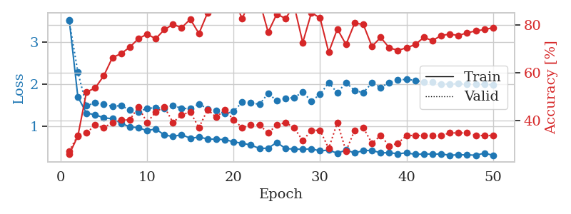
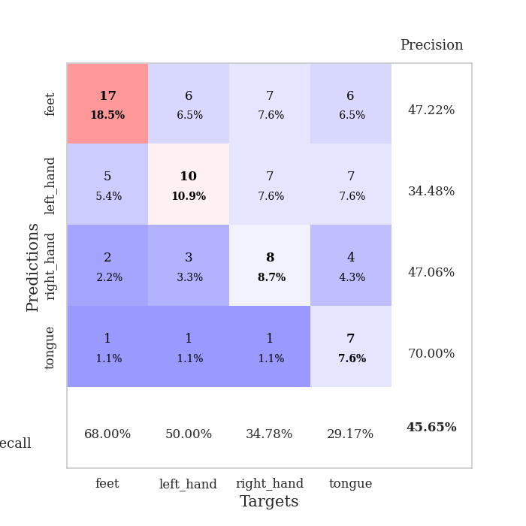
train_loss | valid_loss | train_accuracy | valid_accuracy | dur | train_misclass | valid_misclass
2.7260955935 | 3.9985277134 | 0.26630434783 | 0.27173913043 | 0.082446575165 | 26.630434783 | 27.173913043
1.8114681296 | 3.8002923986 | 0.2527173913 | 0.27173913043 | 0.082795143127 | 25.27173913 | 27.173913043
1.4740646145 | 1.7187515912 | 0.41304347826 | 0.32608695652 | 0.080185651779 | 41.304347826 | 32.608695652
1.3375230639 | 1.4719575644 | 0.48369565217 | 0.34782608696 | 0.079880714417 | 48.369565217 | 34.782608696
1.2825791758 | 1.434914817 | 0.56793478261 | 0.35869565217 | 0.081407308578 | 56.793478261 | 35.869565217
1.2646280527 | 1.4774250777 | 0.54619565217 | 0.33695652174 | 0.08083486557 | 54.619565217 | 33.695652174
1.1481691936 | 1.4806559345 | 0.57608695652 | 0.3152173913 | 0.080523490906 | 57.608695652 | 31.52173913
1.0452868679 | 1.644247366 | 0.51358695652 | 0.30434782609 | 0.080541372299 | 51.358695652 | 30.434782609
0.98776041166 | 1.5683048342 | 0.6222826087 | 0.35869565217 | 0.080680847168 | 62.22826087 | 35.869565217
0.92620756574 | 1.785414447 | 0.55163043478 | 0.28260869565 | 0.080449342728 | 55.163043478 | 28.260869565
0.92667126137 | 1.9352208531 | 0.59782608696 | 0.26086956522 | 0.080537557602 | 59.782608696 | 26.086956522
0.86838112577 | 1.8300017585 | 0.69293478261 | 0.29347826087 | 0.080524921417 | 69.293478261 | 29.347826087
0.80295586845 | 1.5556062615 | 0.78532608696 | 0.36956521739 | 0.080420255661 | 78.532608696 | 36.956521739
0.7674360962 | 1.6797233561 | 0.77717391304 | 0.35869565217 | 0.080726861954 | 77.717391304 | 35.869565217
0.76061638024 | 1.7256341499 | 0.76902173913 | 0.40217391304 | 0.08032989502 | 76.902173913 | 40.217391304
0.74599392129 | 1.6225228154 | 0.83967391304 | 0.36956521739 | 0.080585479736 | 83.967391304 | 36.956521739
0.64595917256 | 1.6765174244 | 0.75543478261 | 0.34782608696 | 0.080372571945 | 75.543478261 | 34.782608696
0.58270268077 | 1.6524340484 | 0.80706521739 | 0.34782608696 | 0.080591201782 | 80.706521739 | 34.782608696
0.60998977915 | 1.5458995467 | 0.92663043478 | 0.38043478261 | 0.080619573593 | 92.663043478 | 38.043478261
0.54290952631 | 1.6732028101 | 0.80163043478 | 0.36956521739 | 0.080497503281 | 80.163043478 | 36.956521739
0.49826323533 | 1.6291783685 | 0.8722826087 | 0.42391304348 | 0.080856323242 | 87.22826087 | 42.391304348
0.48953638258 | 1.6059664332 | 0.89130434783 | 0.44565217391 | 0.080575942993 | 89.130434783 | 44.565217391
0.50211652206 | 1.6531639617 | 0.94836956522 | 0.41304347826 | 0.080631494522 | 94.836956522 | 41.304347826
0.50154338777 | 1.6024141312 | 0.98369565217 | 0.38043478261 | 0.080430030823 | 98.369565217 | 38.043478261
0.51816678825 | 1.7469709231 | 0.94565217391 | 0.39130434783 | 0.080504894257 | 94.565217391 | 39.130434783
0.47042013381 | 1.735468315 | 0.91304347826 | 0.38043478261 | 0.080410242081 | 91.304347826 | 38.043478261
0.37098800359 | 1.7723539394 | 0.90489130435 | 0.41304347826 | 0.080821752548 | 90.489130435 | 41.304347826
0.48307353129 | 1.6835374418 | 0.95652173913 | 0.39130434783 | 0.08059835434 | 95.652173913 | 39.130434783
0.42535032332 | 1.6622134032 | 0.9402173913 | 0.40217391304 | 0.080494642258 | 94.02173913 | 40.217391304
0.36993456211 | 1.6680515227 | 0.98641304348 | 0.41304347826 | 0.080528974533 | 98.641304348 | 41.304347826
0.3553822588 | 1.6897406474 | 0.97010869565 | 0.40217391304 | 0.080772638321 | 97.010869565 | 40.217391304
0.36918934273 | 1.7677461479 | 0.96195652174 | 0.40217391304 | 0.080562591553 | 96.195652174 | 40.217391304
0.32524869688 | 1.7110323388 | 0.97010869565 | 0.4347826087 | 0.080596446991 | 97.010869565 | 43.47826087
0.39214490289 | 1.7453904878 | 0.96467391304 | 0.4347826087 | 0.081018686295 | 96.467391304 | 43.47826087
0.38333541414 | 1.773806686 | 0.95108695652 | 0.38043478261 | 0.080683231354 | 95.108695652 | 38.043478261
0.36951589001 | 1.8223421988 | 0.91576086957 | 0.39130434783 | 0.080744028091 | 91.576086957 | 39.130434783
0.29948251727 | 1.7740479863 | 0.94836956522 | 0.40217391304 | 0.080610275269 | 94.836956522 | 40.217391304
0.31686839137 | 1.7784475036 | 0.95380434783 | 0.39130434783 | 0.080534696579 | 95.380434783 | 39.130434783
0.36325794361 | 1.76143696 | 0.94565217391 | 0.39130434783 | 0.080617189407 | 94.565217391 | 39.130434783
0.3585531663 | 1.7176572862 | 0.95923913043 | 0.41304347826 | 0.08064866066 | 95.923913043 | 41.304347826
0.36224886516 | 1.7129664525 | 0.95652173913 | 0.40217391304 | 0.080716609955 | 95.652173913 | 40.217391304
0.28747879617 | 1.6795288013 | 0.96467391304 | 0.40217391304 | 0.080686569214 | 96.467391304 | 40.217391304
0.25478028992 | 1.6887692887 | 0.97282608696 | 0.39130434783 | 0.080404043198 | 97.282608696 | 39.130434783
0.29593033862 | 1.6952369524 | 0.97554347826 | 0.38043478261 | 0.080583572388 | 97.554347826 | 38.043478261
0.31202123444 | 1.6850949059 | 0.97554347826 | 0.39130434783 | 0.080603122711 | 97.554347826 | 39.130434783
0.27968838908 | 1.6870466315 | 0.97010869565 | 0.40217391304 | 0.084750890732 | 97.010869565 | 40.217391304
0.27961102031 | 1.6903438257 | 0.97010869565 | 0.40217391304 | 0.085815191269 | 97.010869565 | 40.217391304
0.33163878257 | 1.6924074629 | 0.97282608696 | 0.41304347826 | 0.081320762634 | 97.282608696 | 41.304347826
0.3000985316 | 1.6911513391 | 0.97282608696 | 0.41304347826 | 0.080867052078 | 97.282608696 | 41.304347826
0.30748196141 | 1.6897395279 | 0.97282608696 | 0.41304347826 | 0.08069396019 | 97.282608696 | 41.304347826

Best Val accuracy is 0.44565217391304346 and Best test accuracy is 0.39655172413793105
train_loss | valid_loss | train_accuracy | valid_accuracy | dur | train_misclass | valid_misclass
3.5328486951 | 3.5056849044 | 0.25815217391 | 0.27173913043 | 0.091595649719 | 25.815217391 | 27.173913043
1.7006093497 | 2.2867899045 | 0.33423913043 | 0.33695652174 | 0.086099624634 | 33.423913043 | 33.695652174
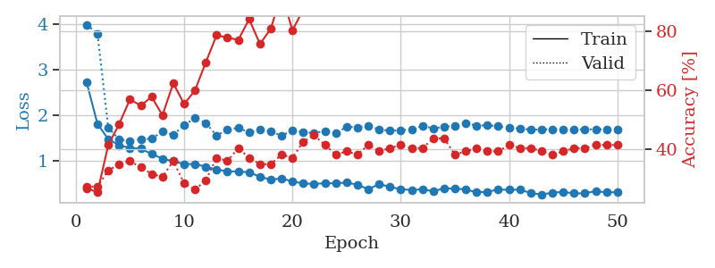
1.3099872755 | 1.4863613222 | 0.51902173913 | 0.34782608696 | 0.085900068283 | 51.902173913 | 34.782608696
1.2774983878 | 1.5575229862 | 0.53532608696 | 0.38043478261 | 0.084997653961 | 53.532608696 | 38.043478261
1.1969423398 | 1.5188987151 | 0.58695652174 | 0.36956521739 | 0.085728883743 | 58.695652174 | 36.956521739
1.1832091005 | 1.4742675864 | 0.66304347826 | 0.39130434783 | 0.085517406464 | 66.304347826 | 39.130434783
1.0702257182 | 1.4915754691 | 0.67934782609 | 0.40217391304 | 0.08526802063 | 67.934782609 | 40.217391304
0.98729421004 | 1.3838059539 | 0.70652173913 | 0.40217391304 | 0.085695028305 | 70.652173913 | 40.217391304
0.9657108084 | 1.3454508781 | 0.74184782609 | 0.45652173913 | 0.08602309227 | 74.184782609 | 45.652173913
0.89464423708 | 1.4232752219 | 0.76086956522 | 0.39130434783 | 0.085710287094 | 76.086956522 | 39.130434783
0.93902310599 | 1.4426978619 | 0.74184782609 | 0.4347826087 | 0.085329055786 | 74.184782609 | 43.47826087
0.79099713201 | 1.4193380656 | 0.77989130435 | 0.45652173913 | 0.085223436356 | 77.989130435 | 45.652173913
0.75950911512 | 1.4927285806 | 0.80163043478 | 0.39130434783 | 0.085297584534 | 80.163043478 | 39.130434783
0.80032292008 | 1.4289856424 | 0.78804347826 | 0.42391304348 | 0.085252285004 | 78.804347826 | 42.391304348
0.71594061152 | 1.4158045572 | 0.82336956522 | 0.4347826087 | 0.085690259933 | 82.336956522 | 43.47826087
0.74247901854 | 1.5333379818 | 0.76358695652 | 0.36956521739 | 0.086000204086 | 76.358695652 | 36.956521739
0.70042009587 | 1.414364851 | 0.85054347826 | 0.44565217391 | 0.085510492325 | 85.054347826 | 44.565217391
0.68996007935 | 1.3783160707 | 0.875 | 0.41304347826 | 0.085590839386 | 87.5 | 41.304347826
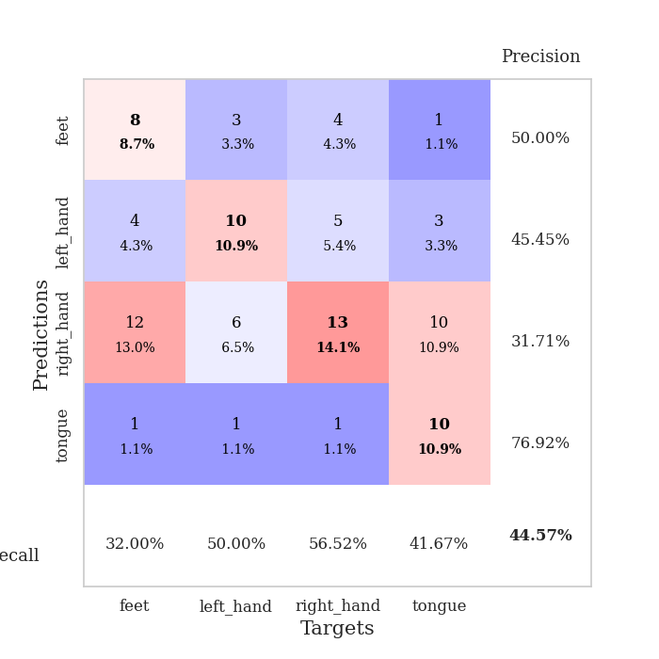
0.6852467695 | 1.299708185 | 0.90489130435 | 0.44565217391 | 0.085263729095 | 90.489130435 | 44.565217391
0.62828046019 | 1.349035828 | 0.90760869565 | 0.40217391304 | 0.090542078018 | 90.760869565 | 40.217391304
0.59898060949 | 1.5785648149 | 0.82608695652 | 0.36956521739 | 0.093972682953 | 82.608695652 | 36.956521739
0.55399269254 | 1.5612821683 | 0.90760869565 | 0.38043478261 | 0.085924625397 | 90.760869565 | 38.043478261
0.47393902748 | 1.5192964129 | 0.89945652174 | 0.38043478261 | 0.085797786713 | 89.945652174 | 38.043478261
0.47998572627 | 1.7832159063 | 0.76902173913 | 0.34782608696 | 0.085719347 | 76.902173913 | 34.782608696
0.61787154817 | 1.6039555954 | 0.84510869565 | 0.38043478261 | 0.085765361786 | 84.510869565 | 38.043478261
0.47175616933 | 1.654686565 | 0.82608695652 | 0.39130434783 | 0.085857391357 | 82.608695652 | 39.130434783
0.45763181603 | 1.6850094381 | 0.88043478261 | 0.36956521739 | 0.085622549057 | 88.043478261 | 36.956521739
0.45582791645 | 1.8064933549 | 0.72554347826 | 0.3152173913 | 0.08585858345 | 72.554347826 | 31.52173913
0.46281386977 | 1.6003384642 | 0.85054347826 | 0.35869565217 | 0.085746765137 | 85.054347826 | 35.869565217
0.41662774721 | 1.756675119 | 0.82880434783 | 0.35869565217 | 0.085421323776 | 82.880434783 | 35.869565217
0.43454652312 | 2.0344829248 | 0.6847826087 | 0.28260869565 | 0.086475372314 | 68.47826087 | 28.260869565
0.35916118324 | 1.794110661 | 0.78260869565 | 0.39130434783 | 0.085700511932 | 78.260869565 | 39.130434783
0.43699759634 | 2.0412132325 | 0.71739130435 | 0.27173913043 | 0.085562229156 | 71.739130435 | 27.173913043
0.36692711128 | 1.8452626933 | 0.80706521739 | 0.35869565217 | 0.086164474487 | 80.706521739 | 35.869565217
0.42290371106 | 1.7993678321 | 0.80163043478 | 0.36956521739 | 0.085999250412 | 80.163043478 | 36.956521739
0.42830564082 | 2.0317406654 | 0.70923913043 | 0.30434782609 | 0.085813760757 | 70.923913043 | 30.434782609
0.36941191846 | 1.9234697404 | 0.7472826087 | 0.33695652174 | 0.08570098877 | 74.72826087 | 33.695652174
0.37223641639 | 2.0346661754 | 0.70380434783 | 0.29347826087 | 0.085578680038 | 70.380434783 | 29.347826087
0.34782748831 | 2.1007602007 | 0.69293478261 | 0.30434782609 | 0.085791826248 | 69.293478261 | 30.434782609
0.36919236701 | 2.1132250869 | 0.70380434783 | 0.33695652174 | 0.086011648178 | 70.380434783 | 33.695652174
0.3326930922 | 2.0914064387 | 0.71739130435 | 0.33695652174 | 0.08570766449 | 71.739130435 | 33.695652174
0.34176968168 | 2.0521349389 | 0.7472826087 | 0.33695652174 | 0.085829496384 | 74.72826087 | 33.695652174
0.34032767687 | 2.0457847118 | 0.73369565217 | 0.33695652174 | 0.085719108582 | 73.369565217 | 33.695652174
0.3411702112 | 2.0055320678 | 0.75543478261 | 0.33695652174 | 0.085181236267 | 75.543478261 | 33.695652174
0.31347359717 | 2.0065210591 | 0.76086956522 | 0.34782608696 | 0.084589719772 | 76.086956522 | 34.782608696
0.32253374321 | 2.008441272 | 0.75543478261 | 0.34782608696 | 0.084792852402 | 75.543478261 | 34.782608696
0.32117636437 | 2.0057311265 | 0.76630434783 | 0.34782608696 | 0.086334466934 | 76.630434783 | 34.782608696
0.31300374606 | 2.0020252414 | 0.77445652174 | 0.33695652174 | 0.085827350616 | 77.445652174 | 33.695652174
0.36192530199 | 1.9937805818 | 0.77989130435 | 0.33695652174 | 0.085512399673 | 77.989130435 | 33.695652174
0.31036944882 | 1.9870461796 | 0.78804347826 | 0.33695652174 | 0.085810899734 | 78.804347826 | 33.695652174

Best Val accuracy is 0.45652173913043476 and Best test accuracy is 0.3879310344827586

Sheet4
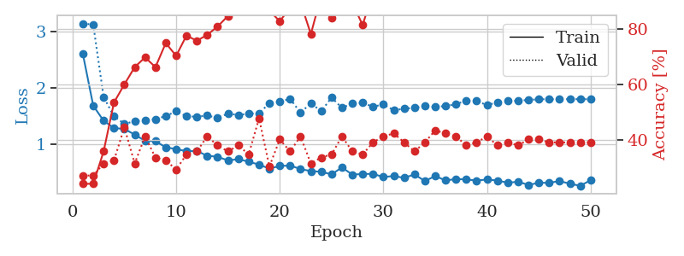
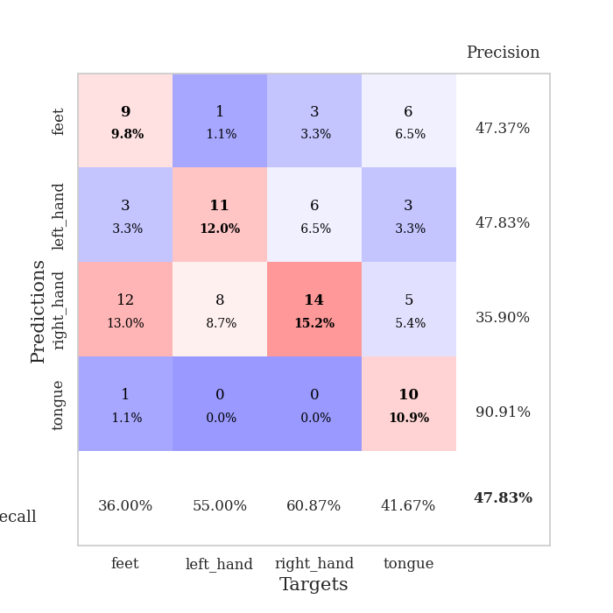
train_loss | valid_loss | train_accuracy | valid_accuracy | dur | train_misclass | valid_misclass
3.8144243852 | 2.9060624579 | 0.28532608696 | 0.33695652174 | 0.083658695221 | 28.532608696 | 33.695652174
1.6642931544 | 4.7777288271 | 0.2527173913 | 0.26086956522 | 0.081433534622 | 25.27173913 | 26.086956522
1.420849287 | 1.6567522961 | 0.47010869565 | 0.30434782609 | 0.081092357635 | 47.010869565 | 30.434782609
1.3063547844 | 1.5891602039 | 0.51358695652 | 0.27173913043 | 0.08164691925 | 51.358695652 | 27.173913043
1.2289308543 | 1.5646476694 | 0.57065217391 | 0.3152173913 | 0.081441402435 | 57.065217391 | 31.52173913
1.1305192502 | 1.4934391405 | 0.60869565217 | 0.3152173913 | 0.080965518951 | 60.869565217 | 31.52173913
1.1659504331 | 1.4914621685 | 0.63043478261 | 0.33695652174 | 0.08320069313 | 63.043478261 | 33.695652174
1.0493710533 | 1.4527582863 | 0.6847826087 | 0.40217391304 | 0.08091711998 | 68.47826087 | 40.217391304
1.0056341964 | 1.5706392734 | 0.60869565217 | 0.30434782609 | 0.083323001862 | 60.869565217 | 30.434782609
1.0493821994 | 1.543573053 | 0.61684782609 | 0.32608695652 | 0.082020521164 | 61.684782609 | 32.608695652
0.96067305233 | 1.4843657483 | 0.74456521739 | 0.32608695652 | 0.081276893616 | 74.456521739 | 32.608695652
0.93043464163 | 1.4755531238 | 0.7472826087 | 0.32608695652 | 0.080777168274 | 74.72826087 | 32.608695652
0.86973272977 | 1.4238082585 | 0.77173913043 | 0.33695652174 | 0.081479787827 | 77.173913043 | 33.695652174
0.82383680473 | 1.6026474548 | 0.70108695652 | 0.33695652174 | 0.081612825394 | 70.108695652 | 33.695652174
0.76571333279 | 1.5227060318 | 0.7472826087 | 0.28260869565 | 0.081756591797 | 74.72826087 | 28.260869565
0.7176406228 | 1.5875712478 | 0.73097826087 | 0.28260869565 | 0.081981658936 | 73.097826087 | 28.260869565
0.74412563832 | 1.5241793239 | 0.85597826087 | 0.34782608696 | 0.081367969513 | 85.597826087 | 34.782608696
0.65566124994 | 1.6496790751 | 0.7527173913 | 0.28260869565 | 0.081352949142 | 75.27173913 | 28.260869565
0.61674032263 | 1.6524406723 | 0.78260869565 | 0.30434782609 | 0.080974578857 | 78.260869565 | 30.434782609
0.59184566011 | 1.8596480878 | 0.66032608696 | 0.22826086957 | 0.080858469009 | 66.032608696 | 22.826086957
0.58104514817 | 1.8240334728 | 0.72826086957 | 0.23913043478 | 0.080778598785 | 72.826086957 | 23.913043478
0.54165199529 | 1.6606588934 | 0.84239130435 | 0.33695652174 | 0.08087348938 | 84.239130435 | 33.695652174
0.51275819929 | 1.6452008952 | 0.88043478261 | 0.32608695652 | 0.081109046936 | 88.043478261 | 32.608695652
0.48318924658 | 1.7555034731 | 0.85054347826 | 0.32608695652 | 0.080900192261 | 85.054347826 | 32.608695652
0.42243848773 | 1.7759875992 | 0.84239130435 | 0.26086956522 | 0.080900669098 | 84.239130435 | 26.086956522
0.47265331512 | 1.7347871324 | 0.86956521739 | 0.28260869565 | 0.080809354782 | 86.956521739 | 28.260869565
0.43403509259 | 1.6564955711 | 0.90217391304 | 0.30434782609 | 0.080951213837 | 90.217391304 | 30.434782609
0.40539175402 | 1.7125928143 | 0.92119565217 | 0.30434782609 | 0.080821752548 | 92.119565217 | 30.434782609
0.40683028685 | 1.7364678642 | 0.90217391304 | 0.28260869565 | 0.081031560898 | 90.217391304 | 28.260869565
0.33415859549 | 1.9685271978 | 0.77717391304 | 0.3152173913 | 0.081119775772 | 77.717391304 | 31.52173913
0.32221267761 | 1.8861285033 | 0.83695652174 | 0.27173913043 | 0.080901145935 | 83.695652174 | 27.173913043
0.35789317735 | 1.8511522905 | 0.88315217391 | 0.29347826087 | 0.081092357635 | 88.315217391 | 29.347826087
0.32630031426 | 1.9901181304 | 0.85597826087 | 0.27173913043 | 0.081544876099 | 85.597826087 | 27.173913043
0.32253569235 | 1.8618320434 | 0.89673913043 | 0.32608695652 | 0.081392765045 | 89.673913043 | 32.608695652
0.28790346695 | 1.895077835 | 0.89402173913 | 0.32608695652 | 0.08126115799 | 89.402173913 | 32.608695652
0.33640007383 | 1.830833829 | 0.91304347826 | 0.29347826087 | 0.08069896698 | 91.304347826 | 29.347826087
0.28453042909 | 1.9364621795 | 0.85869565217 | 0.29347826087 | 0.081169605255 | 85.869565217 | 29.347826087
0.25705168526 | 1.8115090132 | 0.89673913043 | 0.30434782609 | 0.08101773262 | 89.673913043 | 30.434782609
0.28737338568 | 1.8568305399 | 0.90760869565 | 0.3152173913 | 0.080854415894 | 90.760869565 | 31.52173913
0.23142004272 | 1.8429566622 | 0.92934782609 | 0.32608695652 | 0.080860614777 | 92.934782609 | 32.608695652
0.24409041165 | 1.9007577015 | 0.90217391304 | 0.33695652174 | 0.080872058868 | 90.217391304 | 33.695652174
0.28218268733 | 1.901186461 | 0.89945652174 | 0.32608695652 | 0.080764293671 | 89.945652174 | 32.608695652
0.24272424598 | 1.8865923415 | 0.90760869565 | 0.32608695652 | 0.080697536469 | 90.760869565 | 32.608695652
0.25421778858 | 1.8744861509 | 0.92391304348 | 0.32608695652 | 0.080862045288 | 92.391304348 | 32.608695652
0.26055661589 | 1.8511907795 | 0.9347826087 | 0.33695652174 | 0.080798149109 | 93.47826087 | 33.695652174
0.25860772687 | 1.8450898658 | 0.9347826087 | 0.33695652174 | 0.080907344818 | 93.47826087 | 33.695652174
0.25270958407 | 1.8500196675 | 0.9347826087 | 0.33695652174 | 0.080911874771 | 93.47826087 | 33.695652174
0.30689384562 | 1.8517306836 | 0.9347826087 | 0.33695652174 | 0.080891370773 | 93.47826087 | 33.695652174
0.25033545931 | 1.8512972956 | 0.9375 | 0.33695652174 | 0.08096909523 | 93.75 | 33.695652174
0.22495979864 | 1.850434635 | 0.9375 | 0.34782608696 | 0.080919981003 | 93.75 | 34.782608696

Best Val accuracy is 0.40217391304347827 and Best test accuracy is 0.3448275862068966
train_loss | valid_loss | train_accuracy | valid_accuracy | dur | train_misclass | valid_misclass
2.5941061974 | 3.1379549089 | 0.24184782609 | 0.27173913043 | 0.088014364243 | 24.184782609 | 27.173913043
1.6781832913 | 3.1161989025 | 0.24184782609 | 0.27173913043 | 0.086697340012 | 24.184782609 | 27.173913043
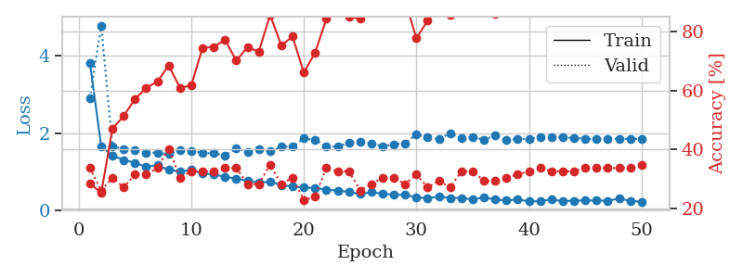
1.4111914427 | 1.8332077628 | 0.35869565217 | 0.3152173913 | 0.08628821373 | 35.869565217 | 31.52173913
1.2819922333 | 1.4887767512 | 0.53532608696 | 0.32608695652 | 0.0857462883 | 53.532608696 | 32.608695652
1.2647198516 | 1.3572136371 | 0.60054347826 | 0.44565217391 | 0.085727453232 | 60.054347826 | 44.565217391
1.1661796725 | 1.4002537935 | 0.66304347826 | 0.3152173913 | 0.086003065109 | 66.304347826 | 31.52173913
1.0525153098 | 1.4241746871 | 0.69836956522 | 0.41304347826 | 0.084934949875 | 69.836956522 | 41.304347826
1.049776593 | 1.4372232686 | 0.66304347826 | 0.33695652174 | 0.084774017334 | 66.304347826 | 33.695652174
0.93797571763 | 1.494442691 | 0.75 | 0.32608695652 | 0.08481669426 | 75 | 32.608695652
0.90904072575 | 1.5780332192 | 0.70380434783 | 0.29347826087 | 0.084980010986 | 70.380434783 | 29.347826087
0.870429131 | 1.4910727325 | 0.77717391304 | 0.34782608696 | 0.085126638412 | 77.717391304 | 34.782608696
0.87299144527 | 1.4818189248 | 0.75815217391 | 0.35869565217 | 0.084803819656 | 75.815217391 | 35.869565217
0.78981375694 | 1.5036783685 | 0.77989130435 | 0.41304347826 | 0.085519790649 | 77.989130435 | 41.304347826
0.77187970669 | 1.4615261036 | 0.8097826087 | 0.38043478261 | 0.085421085358 | 80.97826087 | 38.043478261
0.70555224237 | 1.5366479366 | 0.84782608696 | 0.35869565217 | 0.084982156754 | 84.782608696 | 35.869565217
0.72971858538 | 1.5130046451 | 0.86956521739 | 0.38043478261 | 0.084630727768 | 86.956521739 | 38.043478261
0.6838454358 | 1.5350696885 | 0.92119565217 | 0.34782608696 | 0.085254430771 | 92.119565217 | 34.782608696
0.63242634742 | 1.5456361719 | 0.875 | 0.47826086957 | 0.085403442383 | 87.5 | 47.826086957
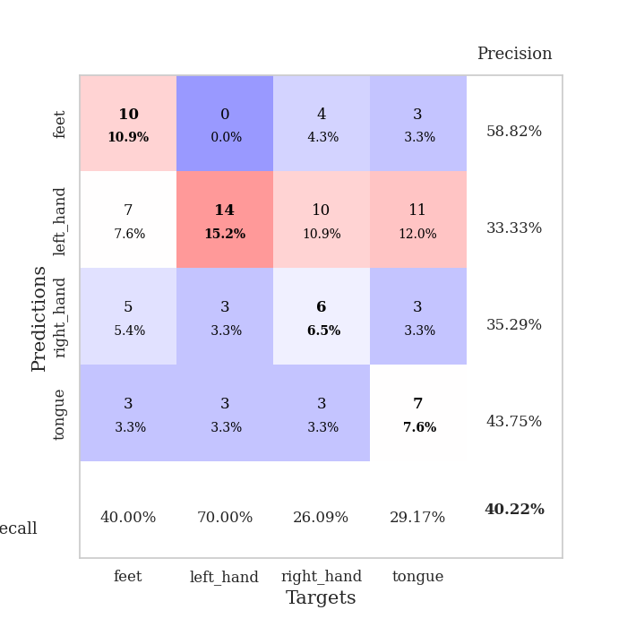
0.56063795802 | 1.720878627 | 0.86684782609 | 0.30434782609 | 0.087105751038 | 86.684782609 | 30.434782609
0.60815115727 | 1.7482520497 | 0.82880434783 | 0.40217391304 | 0.084476709366 | 82.880434783 | 40.217391304
0.61549577765 | 1.8004985478 | 0.8777173913 | 0.35869565217 | 0.085067033768 | 87.77173913 | 35.869565217
0.55348093354 | 1.5538117834 | 0.89673913043 | 0.41304347826 | 0.085404634476 | 89.673913043 | 41.304347826
0.5165532024 | 1.7205545799 | 0.78260869565 | 0.3152173913 | 0.085592985153 | 78.260869565 | 31.52173913
0.50574041385 | 1.5804970627 | 0.92119565217 | 0.33695652174 | 0.085350513458 | 92.119565217 | 33.695652174
0.45890487601 | 1.8231509872 | 0.83967391304 | 0.34782608696 | 0.085652589798 | 83.967391304 | 34.782608696
0.58200247521 | 1.6392250424 | 0.91032608696 | 0.41304347826 | 0.085885047913 | 91.032608696 | 41.304347826
0.4550186603 | 1.7186737061 | 0.89402173913 | 0.35869565217 | 0.085655212402 | 89.402173913 | 35.869565217
0.46587573964 | 1.7293116684 | 0.8152173913 | 0.34782608696 | 0.085315227509 | 81.52173913 | 34.782608696
0.46773672622 | 1.6606668234 | 0.9347826087 | 0.39130434783 | 0.085482597351 | 93.47826087 | 39.130434783
0.41136847631 | 1.7015558533 | 0.90217391304 | 0.41304347826 | 0.085087060928 | 90.217391304 | 41.304347826
0.43029448001 | 1.5980062951 | 0.95923913043 | 0.42391304348 | 0.085549354553 | 95.923913043 | 42.391304348
0.39663636328 | 1.6241545314 | 0.91032608696 | 0.39130434783 | 0.089639186859 | 91.032608696 | 39.130434783
0.45839202339 | 1.6410448396 | 0.95652173913 | 0.35869565217 | 0.086708784103 | 95.652173913 | 35.869565217
0.34042855385 | 1.6714957745 | 0.96739130435 | 0.39130434783 | 0.086537837982 | 96.739130435 | 39.130434783
0.42937926073 | 1.6595473289 | 0.96739130435 | 0.4347826087 | 0.086142301559 | 96.739130435 | 43.47826087
0.35088936855 | 1.6708315352 | 0.95380434783 | 0.42391304348 | 0.085762500763 | 95.380434783 | 42.391304348
0.37632328434 | 1.7058759565 | 0.9402173913 | 0.41304347826 | 0.085732221603 | 94.02173913 | 41.304347826
0.36928714034 | 1.7674310881 | 0.91032608696 | 0.38043478261 | 0.085753679276 | 91.032608696 | 38.043478261
0.34826325269 | 1.7652849581 | 0.93206521739 | 0.39130434783 | 0.086150884628 | 93.206521739 | 39.130434783
0.36882430121 | 1.6854608525 | 0.97282608696 | 0.41304347826 | 0.08567070961 | 97.282608696 | 41.304347826
0.3491592336 | 1.7407771193 | 0.95652173913 | 0.38043478261 | 0.085958719254 | 95.652173913 | 38.043478261
0.31095698832 | 1.7630715837 | 0.95108695652 | 0.39130434783 | 0.086115121841 | 95.108695652 | 39.130434783
0.32803432805 | 1.7671386885 | 0.9347826087 | 0.38043478261 | 0.085957527161 | 93.47826087 | 38.043478261
0.27179183779 | 1.7802897899 | 0.9375 | 0.40217391304 | 0.086067438126 | 93.75 | 40.217391304
0.30961138658 | 1.7925674863 | 0.94293478261 | 0.40217391304 | 0.086493968964 | 94.293478261 | 40.217391304
0.30919001187 | 1.7926993577 | 0.9402173913 | 0.39130434783 | 0.085847377777 | 94.02173913 | 39.130434783
0.34001574568 | 1.79402808 | 0.94565217391 | 0.39130434783 | 0.087764263153 | 94.565217391 | 39.130434783
0.29289528274 | 1.794758211 | 0.94836956522 | 0.39130434783 | 0.085723400116 | 94.836956522 | 39.130434783
0.2559492912 | 1.7939221082 | 0.94836956522 | 0.39130434783 | 0.085868597031 | 94.836956522 | 39.130434783
0.356095154 | 1.7930545392 | 0.94836956522 | 0.39130434783 | 0.086009740829 | 94.836956522 | 39.130434783

Best Val accuracy is 0.4782608695652174 and Best test accuracy is 0.3706896551724138

Sheet5
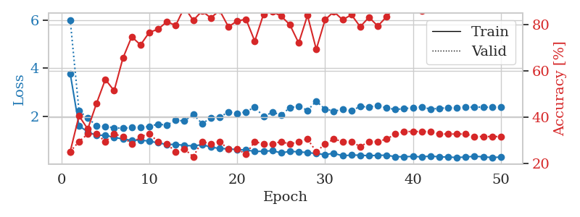
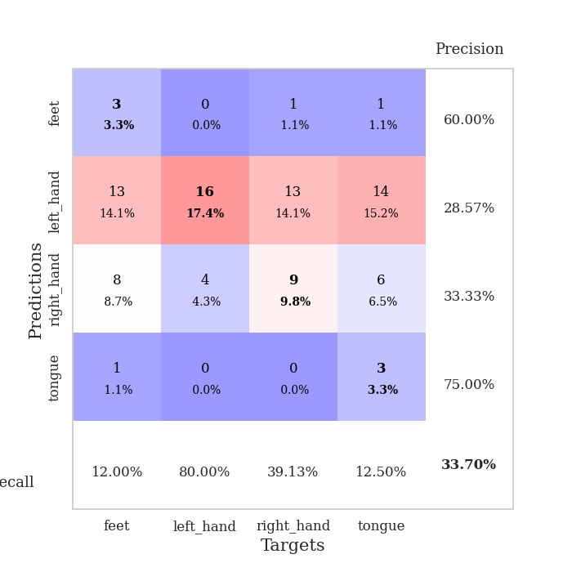
train_loss | valid_loss | train_accuracy | valid_accuracy | dur | train_misclass | valid_misclass
3.5895064758 | 4.8630353264 | 0.36141304348 | 0.26086956522 | 0.082399368286 | 36.141304348 | 26.086956522
1.600673292 | 2.6327558289 | 0.39673913043 | 0.3152173913 | 0.080781698227 | 39.673913043 | 31.52173913
1.4341624638 | 2.0280506093 | 0.46739130435 | 0.30434782609 | 0.0808198452 | 46.739130435 | 30.434782609
1.3890781351 | 2.1609086472 | 0.44836956522 | 0.3152173913 | 0.080669403076 | 44.836956522 | 31.52173913
1.177020161 | 1.8420701545 | 0.625 | 0.30434782609 | 0.080824136734 | 62.5 | 30.434782609
1.1380706715 | 1.6195334559 | 0.66576086957 | 0.32608695652 | 0.080593824387 | 66.576086957 | 32.608695652
1.0790405947 | 1.6716729765 | 0.71467391304 | 0.35869565217 | 0.080612182617 | 71.467391304 | 35.869565217
0.96460880274 | 1.662637099 | 0.73097826087 | 0.29347826087 | 0.080688238144 | 73.097826087 | 29.347826087
0.96466710516 | 1.756002395 | 0.6847826087 | 0.29347826087 | 0.080619812012 | 68.47826087 | 29.347826087
0.93824718309 | 1.6794879022 | 0.78532608696 | 0.35869565217 | 0.081085443497 | 78.532608696 | 35.869565217
0.84728196134 | 1.7734863862 | 0.75543478261 | 0.30434782609 | 0.080614328384 | 75.543478261 | 30.434782609
0.82187796028 | 2.0491876602 | 0.65760869565 | 0.3152173913 | 0.080642461777 | 65.760869565 | 31.52173913
0.83295983206 | 2.0086357697 | 0.66032608696 | 0.3152173913 | 0.080597162247 | 66.032608696 | 31.52173913
0.70609395789 | 1.8160389092 | 0.73913043478 | 0.36956521739 | 0.080802440643 | 73.913043478 | 36.956521739
0.71777351525 | 1.7260195898 | 0.85597826087 | 0.36956521739 | 0.080741167068 | 85.597826087 | 36.956521739
0.71182807243 | 1.8372698245 | 0.78260869565 | 0.38043478261 | 0.080619573593 | 78.260869565 | 38.043478261
0.69427106821 | 2.0417138701 | 0.65217391304 | 0.34782608696 | 0.080703258514 | 65.217391304 | 34.782608696
0.61598378938 | 2.4360034466 | 0.5597826087 | 0.3152173913 | 0.080965280533 | 55.97826087 | 31.52173913
0.62741705127 | 2.5559790238 | 0.57336956522 | 0.30434782609 | 0.080551147461 | 57.336956522 | 30.434782609
0.6049126594 | 2.2240026204 | 0.66032608696 | 0.35869565217 | 0.080569028854 | 66.032608696 | 35.869565217
0.52977885176 | 2.9620013341 | 0.52989130435 | 0.30434782609 | 0.080779314041 | 52.989130435 | 30.434782609
0.49664102624 | 2.8549724143 | 0.52445652174 | 0.3152173913 | 0.080549001694 | 52.445652174 | 31.52173913
0.52773514131 | 2.6929578263 | 0.59510869565 | 0.29347826087 | 0.080867528915 | 59.510869565 | 29.347826087
0.47631146143 | 2.4931196544 | 0.60597826087 | 0.3152173913 | 0.080526590347 | 60.597826087 | 31.52173913
0.52670337065 | 2.0870239009 | 0.8097826087 | 0.34782608696 | 0.083656549454 | 80.97826087 | 34.782608696
0.43855122056 | 2.2051079273 | 0.76902173913 | 0.36956521739 | 0.084798336029 | 76.902173913 | 36.956521739
0.49105824141 | 2.2263190124 | 0.67391304348 | 0.32608695652 | 0.08308506012 | 67.391304348 | 32.608695652
0.44464427621 | 2.4317258856 | 0.63858695652 | 0.32608695652 | 0.081184864044 | 63.858695652 | 32.608695652
0.45266094415 | 2.6409456419 | 0.60869565217 | 0.29347826087 | 0.085093736649 | 60.869565217 | 29.347826087
0.40981427742 | 2.5930878287 | 0.64673913043 | 0.28260869565 | 0.084784507751 | 64.673913043 | 28.260869565
0.33702428704 | 2.7417522617 | 0.60869565217 | 0.29347826087 | 0.082254648209 | 60.869565217 | 29.347826087
0.38601662996 | 2.835122181 | 0.59239130435 | 0.3152173913 | 0.081312417984 | 59.239130435 | 31.52173913
0.33954282785 | 2.976864991 | 0.56793478261 | 0.32608695652 | 0.081735372543 | 56.793478261 | 32.608695652
0.35029190001 | 2.7666141158 | 0.60869565217 | 0.33695652174 | 0.08112859726 | 60.869565217 | 33.695652174
0.36728526911 | 2.9825660768 | 0.57880434783 | 0.33695652174 | 0.082064390182 | 57.880434783 | 33.695652174
0.30562045684 | 3.0738042023 | 0.5597826087 | 0.32608695652 | 0.085947990417 | 55.97826087 | 32.608695652
0.34965802923 | 2.9058442841 | 0.58695652174 | 0.32608695652 | 0.085363864899 | 58.695652174 | 32.608695652
0.30264988963 | 3.05324032 | 0.54076086957 | 0.32608695652 | 0.085256099701 | 54.076086957 | 32.608695652
0.30283173498 | 2.9587655689 | 0.5652173913 | 0.32608695652 | 0.080807209015 | 56.52173913 | 32.608695652
0.29683592527 | 3.0325007335 | 0.55163043478 | 0.33695652174 | 0.081914186478 | 55.163043478 | 33.695652174
0.33719869282 | 2.9672911374 | 0.5652173913 | 0.35869565217 | 0.079407215118 | 56.52173913 | 35.869565217
0.28963808019 | 3.0696120055 | 0.54619565217 | 0.33695652174 | 0.079440593719 | 54.619565217 | 33.695652174
0.32719172602 | 2.8957902971 | 0.58423913043 | 0.34782608696 | 0.07936501503 | 58.423913043 | 34.782608696
0.25571677575 | 2.8156202461 | 0.61956521739 | 0.33695652174 | 0.079397201538 | 61.956521739 | 33.695652174
0.32980867896 | 2.7917107706 | 0.63043478261 | 0.34782608696 | 0.079622745514 | 63.043478261 | 34.782608696
0.28614191322 | 2.7992623474 | 0.6277173913 | 0.34782608696 | 0.079483032227 | 62.77173913 | 34.782608696
0.32484668979 | 2.7808614295 | 0.63043478261 | 0.34782608696 | 0.079638242722 | 63.043478261 | 34.782608696
0.34452752639 | 2.7665204691 | 0.63043478261 | 0.34782608696 | 0.079618453979 | 63.043478261 | 34.782608696
0.27347575225 | 2.7520775588 | 0.63315217391 | 0.34782608696 | 0.079334974289 | 63.315217391 | 34.782608696
0.26821328343 | 2.7398657902 | 0.63586956522 | 0.34782608696 | 0.079522609711 | 63.586956522 | 34.782608696

Best Val accuracy is 0.3804347826086957 and Best test accuracy is 0.3275862068965517
train_loss | valid_loss | train_accuracy | valid_accuracy | dur | train_misclass | valid_misclass
3.7818470986 | 6.0092024389 | 0.25 | 0.25 | 0.088741540909 | 25 | 25
1.6156145645 | 2.234868739 | 0.40489130435 | 0.29347826087 | 0.086132764816 | 40.489130435 | 29.347826087
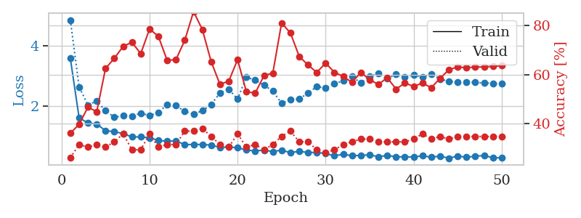
1.3495808581 | 1.9223865633 | 0.34782608696 | 0.32608695652 | 0.085580587387 | 34.782608696 | 32.608695652
1.2135509434 | 1.6186346593 | 0.45923913043 | 0.32608695652 | 0.086019277573 | 45.923913043 | 32.608695652
1.2182662021 | 1.5829639227 | 0.5625 | 0.29347826087 | 0.085817098618 | 56.25 | 29.347826087
1.1244605158 | 1.5268255265 | 0.51358695652 | 0.32608695652 | 0.085606813431 | 51.358695652 | 32.608695652
1.0626021339 | 1.5007160643 | 0.65489130435 | 0.3152173913 | 0.085943222046 | 65.489130435 | 31.52173913
1.0018671958 | 1.5436635225 | 0.7472826087 | 0.28260869565 | 0.08548116684 | 74.72826087 | 28.260869565
1.0186342053 | 1.5399475149 | 0.71195652174 | 0.3152173913 | 0.085688591003 | 71.195652174 | 31.52173913
0.96718145713 | 1.5838148646 | 0.76630434783 | 0.32608695652 | 0.085741758347 | 76.630434783 | 32.608695652
0.90161466987 | 1.6790487041 | 0.77989130435 | 0.29347826087 | 0.086007595062 | 77.989130435 | 29.347826087
0.82969604627 | 1.63234507 | 0.8125 | 0.28260869565 | 0.085579872131 | 81.25 | 28.260869565
0.83890058424 | 1.848667943 | 0.79619565217 | 0.25 | 0.085668325424 | 79.619565217 | 25
0.79395781652 | 1.8034866945 | 0.875 | 0.26086956522 | 0.085302114487 | 87.5 | 26.086956522
0.77223648973 | 2.0847261056 | 0.81793478261 | 0.22826086957 | 0.085917234421 | 81.793478261 | 22.826086957
0.82159581392 | 1.7029854267 | 0.85869565217 | 0.29347826087 | 0.08518910408 | 85.869565217 | 29.347826087
0.72711647205 | 1.9246456519 | 0.82880434783 | 0.28260869565 | 0.085433006287 | 82.880434783 | 28.260869565
0.66171779451 | 1.9591239017 | 0.86141304348 | 0.29347826087 | 0.085234642029 | 86.141304348 | 29.347826087
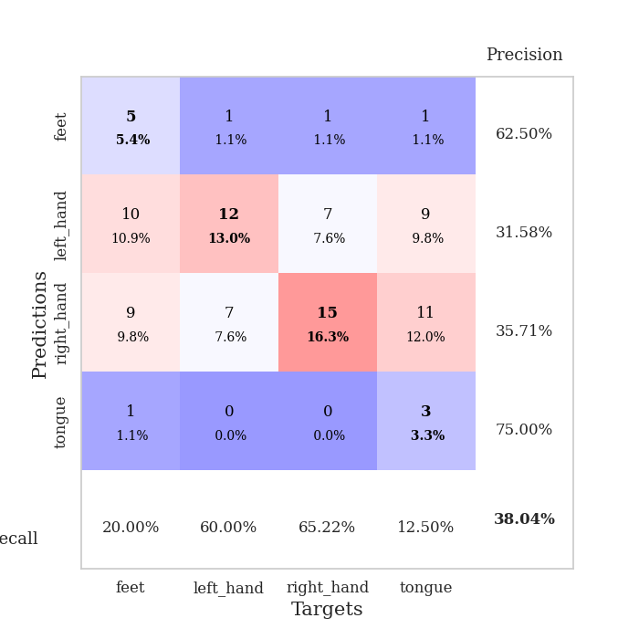
0.65484830219 | 2.1882623071 | 0.79076086957 | 0.26086956522 | 0.085718631744 | 79.076086957 | 26.086956522
0.61389369032 | 2.1121882045 | 0.8152173913 | 0.26086956522 | 0.08532500267 | 81.52173913 | 26.086956522
0.60769575316 | 2.1884609824 | 0.82336956522 | 0.23913043478 | 0.08519744873 | 82.336956522 | 23.913043478
0.54280451458 | 2.3885044119 | 0.72826086957 | 0.29347826087 | 0.085215806961 | 72.826086957 | 29.347826087
0.54968351385 | 1.9866489431 | 0.84510869565 | 0.28260869565 | 0.085365772247 | 84.510869565 | 28.260869565
0.57361050792 | 2.1730911213 | 0.85597826087 | 0.28260869565 | 0.085730552673 | 85.597826087 | 28.260869565
0.48242350247 | 2.0631156486 | 0.83695652174 | 0.29347826087 | 0.085176944733 | 83.695652174 | 29.347826087
0.54624100807 | 2.361371569 | 0.79891304348 | 0.28260869565 | 0.089024305344 | 79.891304348 | 28.260869565
0.52571016097 | 2.4255283397 | 0.72010869565 | 0.29347826087 | 0.086704730988 | 72.010869565 | 29.347826087
0.49732098372 | 2.2502923323 | 0.83967391304 | 0.30434782609 | 0.085738420486 | 83.967391304 | 30.434782609
0.45453502691 | 2.6274979322 | 0.69293478261 | 0.25 | 0.085989236832 | 69.293478261 | 25
0.41155616032 | 2.3055760653 | 0.82065217391 | 0.28260869565 | 0.085739850998 | 82.065217391 | 28.260869565
0.46752052009 | 2.219713947 | 0.85597826087 | 0.30434782609 | 0.085871219635 | 85.597826087 | 30.434782609
0.35982810738 | 2.2844760936 | 0.82065217391 | 0.29347826087 | 0.085622549057 | 82.065217391 | 29.347826087
0.39450966664 | 2.237785215 | 0.84239130435 | 0.29347826087 | 0.085535764694 | 84.239130435 | 29.347826087
0.38552738856 | 2.4111297338 | 0.79076086957 | 0.27173913043 | 0.085575342178 | 79.076086957 | 27.173913043
0.36674654937 | 2.3894172855 | 0.83152173913 | 0.29347826087 | 0.085602521896 | 83.152173913 | 29.347826087
0.38177165324 | 2.4598220017 | 0.79347826087 | 0.29347826087 | 0.086073637009 | 79.347826087 | 29.347826087
0.38607049571 | 2.3456142467 | 0.83423913043 | 0.30434782609 | 0.085627317429 | 83.423913043 | 30.434782609
0.32412546549 | 2.2910594837 | 0.875 | 0.32608695652 | 0.085650205612 | 87.5 | 32.608695652
0.32369225083 | 2.3155803369 | 0.88858695652 | 0.33695652174 | 0.086080789566 | 88.858695652 | 33.695652174
0.33564758171 | 2.3715700274 | 0.875 | 0.33695652174 | 0.086171388626 | 87.5 | 33.695652174
0.31649554683 | 2.3918368091 | 0.85869565217 | 0.33695652174 | 0.085580825806 | 85.869565217 | 33.695652174
0.35103982622 | 2.3012892578 | 0.89673913043 | 0.33695652174 | 0.089572429657 | 89.673913043 | 33.695652174
0.31761101342 | 2.3365939389 | 0.88586956522 | 0.32608695652 | 0.085684776306 | 88.586956522 | 32.608695652
0.30996605754 | 2.3553582171 | 0.88586956522 | 0.32608695652 | 0.085598468781 | 88.586956522 | 32.608695652
0.29140785498 | 2.3680490307 | 0.89402173913 | 0.32608695652 | 0.085588693619 | 89.402173913 | 32.608695652
0.31008866105 | 2.3814980776 | 0.89402173913 | 0.32608695652 | 0.085501909256 | 89.402173913 | 32.608695652
0.34267532825 | 2.3857250732 | 0.89673913043 | 0.3152173913 | 0.085732460022 | 89.673913043 | 31.52173913
0.31850327098 | 2.382384663 | 0.89673913043 | 0.3152173913 | 0.085841417313 | 89.673913043 | 31.52173913
0.29075071572 | 2.3796879831 | 0.89945652174 | 0.3152173913 | 0.08579993248 | 89.945652174 | 31.52173913
0.30965142697 | 2.3769462834 | 0.89945652174 | 0.3152173913 | 0.085814476013 | 89.945652174 | 31.52173913

Best Val accuracy is 0.33695652173913043 and Best test accuracy is 0.39655172413793105

Sheet6
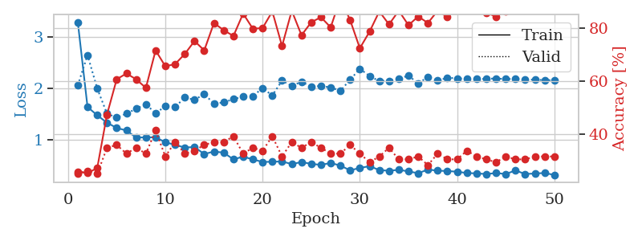
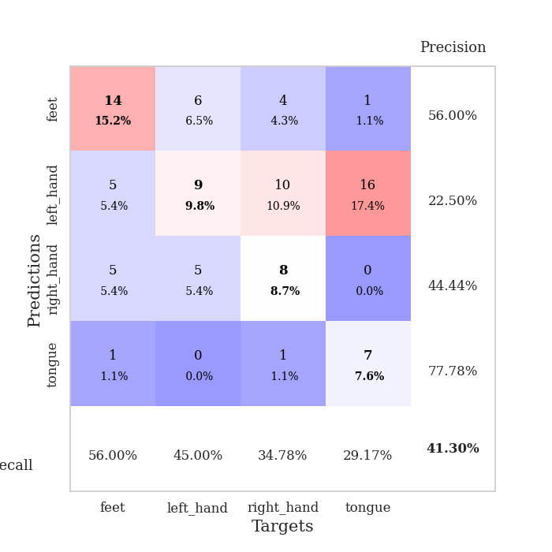
train_loss | valid_loss | train_accuracy | valid_accuracy | dur | train_misclass | valid_misclass
3.5940521334 | 5.3585789515 | 0.24184782609 | 0.27173913043 | 0.080683231354 | 24.184782609 | 27.173913043
1.8200349497 | 1.8755472536 | 0.3125 | 0.22826086957 | 0.079236745834 | 31.25 | 22.826086957
1.352473912 | 1.7767067059 | 0.42663043478 | 0.29347826087 | 0.079066514969 | 42.663043478 | 29.347826087
1.2750183862 | 1.676756439 | 0.52445652174 | 0.30434782609 | 0.079142570496 | 52.445652174 | 30.434782609
1.2009952405 | 1.6060861919 | 0.54619565217 | 0.29347826087 | 0.079147815704 | 54.619565217 | 29.347826087
1.1296442954 | 1.4970973004 | 0.63586956522 | 0.32608695652 | 0.079031944275 | 63.586956522 | 32.608695652
1.108522524 | 1.5577979658 | 0.63858695652 | 0.29347826087 | 0.079280138016 | 63.858695652 | 29.347826087
1.0456204388 | 1.4775952515 | 0.70923913043 | 0.33695652174 | 0.079174757004 | 70.923913043 | 33.695652174
0.98624993666 | 1.5074412978 | 0.73641304348 | 0.32608695652 | 0.079253196716 | 73.641304348 | 32.608695652
0.96173266483 | 1.4591074249 | 0.75 | 0.38043478261 | 0.079122304916 | 75 | 38.043478261
0.85057402435 | 1.5482662087 | 0.73369565217 | 0.32608695652 | 0.079120874405 | 73.369565217 | 32.608695652
0.84873132084 | 1.5442546969 | 0.77989130435 | 0.33695652174 | 0.079043388367 | 77.989130435 | 33.695652174
0.83921824849 | 1.5939425437 | 0.80163043478 | 0.25 | 0.079125642776 | 80.163043478 | 25
0.80187545134 | 1.5315521852 | 0.8152173913 | 0.32608695652 | 0.079295873642 | 81.52173913 | 32.608695652
0.71576928445 | 1.6649454832 | 0.81793478261 | 0.3152173913 | 0.079303026199 | 81.793478261 | 31.52173913
0.69839034003 | 1.4876344308 | 0.875 | 0.35869565217 | 0.079247713089 | 87.5 | 35.869565217
0.68533841942 | 1.6193142974 | 0.86956521739 | 0.3152173913 | 0.07928776741 | 86.956521739 | 31.52173913
0.64478585254 | 1.6034816918 | 0.85054347826 | 0.30434782609 | 0.079337596893 | 85.054347826 | 30.434782609
0.66399299969 | 1.5574833362 | 0.90217391304 | 0.36956521739 | 0.079251766205 | 90.217391304 | 36.956521739
0.56781330316 | 1.5356296197 | 0.92934782609 | 0.39130434783 | 0.079232931137 | 92.934782609 | 39.130434783
0.56915625671 | 1.6111176791 | 0.92119565217 | 0.34782608696 | 0.079259634018 | 92.119565217 | 34.782608696
0.50637500053 | 1.4479572514 | 0.94565217391 | 0.39130434783 | 0.079179048538 | 94.565217391 | 39.130434783
0.4961365876 | 1.5651845466 | 0.91576086957 | 0.36956521739 | 0.079293251038 | 91.576086957 | 36.956521739
0.50398223167 | 1.5500076595 | 0.95380434783 | 0.38043478261 | 0.079298496246 | 95.380434783 | 38.043478261
0.44456573155 | 1.6241901595 | 0.92391304348 | 0.35869565217 | 0.079171419144 | 92.391304348 | 35.869565217
0.466606593 | 1.6135777546 | 0.95108695652 | 0.32608695652 | 0.079768657684 | 95.108695652 | 32.608695652
0.43607956754 | 1.6741200893 | 0.9375 | 0.30434782609 | 0.079333782196 | 93.75 | 30.434782609
0.40038340701 | 1.7266324759 | 0.95923913043 | 0.34782608696 | 0.079347133636 | 95.923913043 | 34.782608696
0.47262203369 | 1.7090205265 | 0.9402173913 | 0.34782608696 | 0.081377506256 | 94.02173913 | 34.782608696
0.33143456572 | 1.7239124516 | 0.95923913043 | 0.34782608696 | 0.079492330551 | 95.923913043 | 34.782608696
0.39928671394 | 1.7597934267 | 0.94565217391 | 0.34782608696 | 0.079137086868 | 94.565217391 | 34.782608696
0.38260033273 | 1.7560538624 | 0.95923913043 | 0.36956521739 | 0.079454183578 | 95.923913043 | 36.956521739
0.33616955384 | 1.7133119676 | 0.96195652174 | 0.36956521739 | 0.079251527786 | 96.195652174 | 36.956521739
0.29388505674 | 1.7069886871 | 0.97010869565 | 0.38043478261 | 0.079343318939 | 97.010869565 | 38.043478261
0.30335270063 | 1.8749131897 | 0.94565217391 | 0.36956521739 | 0.07924079895 | 94.565217391 | 36.956521739
0.33012726741 | 1.7106276025 | 0.96467391304 | 0.32608695652 | 0.079283475876 | 96.467391304 | 32.608695652
0.32369550674 | 1.7424322781 | 0.96739130435 | 0.35869565217 | 0.0792324543 | 96.739130435 | 35.869565217
0.32123994017 | 1.7576452079 | 0.97554347826 | 0.33695652174 | 0.079779148102 | 97.554347826 | 33.695652174
0.24076046633 | 1.7814075688 | 0.97554347826 | 0.33695652174 | 0.079251766205 | 97.554347826 | 33.695652174
0.29924073783 | 1.776184875 | 0.98369565217 | 0.33695652174 | 0.079245328903 | 98.369565217 | 33.695652174
0.29347112613 | 1.7890349419 | 0.98097826087 | 0.34782608696 | 0.079187631607 | 98.097826087 | 34.782608696
0.27941764308 | 1.7940566903 | 0.98369565217 | 0.34782608696 | 0.079392433167 | 98.369565217 | 34.782608696
0.25253537621 | 1.7929900055 | 0.98369565217 | 0.34782608696 | 0.079408407211 | 98.369565217 | 34.782608696
0.28584223241 | 1.7975450599 | 0.97826086957 | 0.33695652174 | 0.079401254654 | 97.826086957 | 33.695652174
0.29471538443 | 1.8020313564 | 0.97826086957 | 0.34782608696 | 0.079394340515 | 97.826086957 | 34.782608696
0.28832597674 | 1.7989818324 | 0.97826086957 | 0.34782608696 | 0.079409599304 | 97.826086957 | 34.782608696
0.24588212808 | 1.7973258547 | 0.97826086957 | 0.35869565217 | 0.0792927742 | 97.826086957 | 35.869565217
0.27887735775 | 1.7931131954 | 0.98097826087 | 0.35869565217 | 0.07928609848 | 98.097826087 | 35.869565217
0.29834531928 | 1.7901328128 | 0.98369565217 | 0.35869565217 | 0.079593896866 | 98.369565217 | 35.869565217
0.29678369443 | 1.7882080856 | 0.98369565217 | 0.35869565217 | 0.07938337326 | 98.369565217 | 35.869565217

Best Val accuracy is 0.391304347826087 and Best test accuracy is 0.4224137931034483
train_loss | valid_loss | train_accuracy | valid_accuracy | dur | train_misclass | valid_misclass
3.2859116223 | 2.0581471298 | 0.25815217391 | 0.25 | 0.088289260864 | 25.815217391 | 25
1.6376885072 | 2.6452152729 | 0.2527173913 | 0.26086956522 | 0.087783813477 | 25.27173913 | 26.086956522
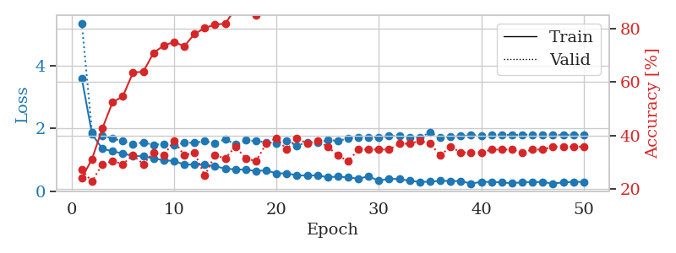
1.4761949207 | 1.9948504282 | 0.27173913043 | 0.25 | 0.1025147438 | 27.173913043 | 25
1.3322403535 | 1.5095333898 | 0.47282608696 | 0.34782608696 | 0.090304136276 | 47.282608696 | 34.782608696
1.230448868 | 1.4303520089 | 0.60597826087 | 0.35869565217 | 0.085726261139 | 60.597826087 | 35.869565217
1.1809661648 | 1.5078897891 | 0.6277173913 | 0.32608695652 | 0.085659742355 | 62.77173913 | 32.608695652
1.0433774331 | 1.6030878865 | 0.60597826087 | 0.34782608696 | 0.086983442307 | 60.597826087 | 34.782608696
1.0480470087 | 1.6933532435 | 0.57336956522 | 0.32608695652 | 0.085750341415 | 57.336956522 | 32.608695652
1.0476809351 | 1.5123462418 | 0.71467391304 | 0.41304347826 | 0.085787534714 | 71.467391304 | 41.304347826
0.95312227633 | 1.6544793378 | 0.65489130435 | 0.3152173913 | 0.085589885712 | 65.489130435 | 31.52173913
0.90098325843 | 1.634731075 | 0.66304347826 | 0.36956521739 | 0.088039159775 | 66.304347826 | 36.956521739
0.85084765113 | 1.8222246377 | 0.70108695652 | 0.32608695652 | 0.085730552673 | 70.108695652 | 32.608695652
0.85904083693 | 1.7757536743 | 0.75 | 0.33695652174 | 0.085631370544 | 75 | 33.695652174
0.72312323296 | 1.88920699 | 0.71467391304 | 0.35869565217 | 0.085851669312 | 71.467391304 | 35.869565217
0.77232148595 | 1.7015103879 | 0.81793478261 | 0.36956521739 | 0.085808992386 | 81.793478261 | 36.956521739
0.7504570834 | 1.7258942749 | 0.79076086957 | 0.36956521739 | 0.085891962051 | 79.076086957 | 36.956521739
0.62009843925 | 1.79042755 | 0.76902173913 | 0.39130434783 | 0.085857152939 | 76.902173913 | 39.130434783
0.67277268741 | 1.8383288902 | 0.85326086957 | 0.32608695652 | 0.085805892944 | 85.326086957 | 32.608695652
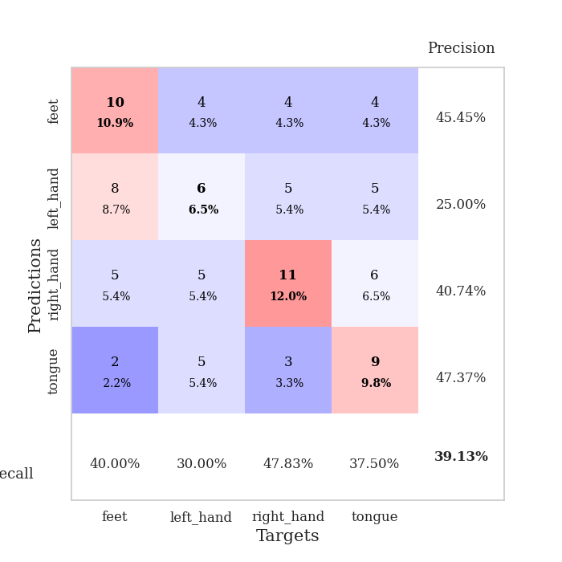
0.61947434493 | 1.8500775462 | 0.79619565217 | 0.34782608696 | 0.085907459259 | 79.619565217 | 34.782608696
0.56950009776 | 2.0031414758 | 0.79891304348 | 0.33695652174 | 0.085852861404 | 79.891304348 | 33.695652174
0.57438542791 | 1.8612270252 | 0.86141304348 | 0.39130434783 | 0.085782289505 | 86.141304348 | 39.130434783
0.57889935763 | 2.1490522571 | 0.73097826087 | 0.3152173913 | 0.086241960526 | 73.097826087 | 31.52173913
0.52873561175 | 2.0451467141 | 0.86413043478 | 0.36956521739 | 0.094368696213 | 86.413043478 | 36.956521739
0.56782794128 | 2.1287748503 | 0.77173913043 | 0.34782608696 | 0.086212396622 | 77.173913043 | 34.782608696
0.53303135219 | 2.030234171 | 0.82065217391 | 0.36956521739 | 0.085649013519 | 82.065217391 | 36.956521739
0.51267305114 | 2.0470623037 | 0.83967391304 | 0.34782608696 | 0.085667610168 | 83.967391304 | 34.782608696
0.55037150629 | 2.0161330078 | 0.80163043478 | 0.32608695652 | 0.085296869278 | 80.163043478 | 32.608695652
0.49882270396 | 1.9511059056 | 0.91032608696 | 0.32608695652 | 0.085927963257 | 91.032608696 | 32.608695652
0.40703269386 | 2.1673525002 | 0.82880434783 | 0.35869565217 | 0.098667621613 | 82.880434783 | 35.869565217
0.45327054223 | 2.3783449297 | 0.72282608696 | 0.32608695652 | 0.09076833725 | 72.282608696 | 32.608695652
0.487482735 | 2.2395054776 | 0.78532608696 | 0.29347826087 | 0.086124181747 | 78.532608696 | 29.347826087
0.41254911669 | 2.1393481752 | 0.86141304348 | 0.3152173913 | 0.094155311584 | 86.141304348 | 31.52173913
0.39832289258 | 2.1470660749 | 0.8125 | 0.34782608696 | 0.086248636246 | 81.25 | 34.782608696
0.41699574467 | 2.1853063521 | 0.86413043478 | 0.30434782609 | 0.086184978485 | 86.413043478 | 30.434782609
0.38652067081 | 2.2475588114 | 0.8097826087 | 0.30434782609 | 0.085633993149 | 80.97826087 | 30.434782609
0.35051454085 | 2.0940929392 | 0.84239130435 | 0.3152173913 | 0.085685491562 | 84.239130435 | 31.52173913
0.42275249958 | 2.2218922843 | 0.81793478261 | 0.28260869565 | 0.085562944412 | 81.793478261 | 28.260869565
0.39999461044 | 2.1487346628 | 0.86413043478 | 0.32608695652 | 0.085681676865 | 86.413043478 | 32.608695652
0.39363662024 | 2.2057442458 | 0.83967391304 | 0.30434782609 | 0.085539340973 | 83.967391304 | 30.434782609
0.38017272366 | 2.193343401 | 0.89402173913 | 0.30434782609 | 0.085742473602 | 89.402173913 | 30.434782609
0.35465633416 | 2.1859679948 | 0.875 | 0.33695652174 | 0.088124036789 | 87.5 | 33.695652174
0.34757963924 | 2.1812228016 | 0.86684782609 | 0.3152173913 | 0.085896730423 | 86.684782609 | 31.52173913
0.33502013787 | 2.1829705653 | 0.85597826087 | 0.30434782609 | 0.085837125778 | 85.597826087 | 30.434782609
0.35363416179 | 2.1927867558 | 0.84239130435 | 0.29347826087 | 0.085688114166 | 84.239130435 | 29.347826087
0.33599271139 | 2.1784901826 | 0.86141304348 | 0.3152173913 | 0.085726976395 | 86.141304348 | 31.52173913
0.40412898103 | 2.1847544442 | 0.86684782609 | 0.30434782609 | 0.085865020752 | 86.684782609 | 30.434782609
0.33573317204 | 2.1739418921 | 0.8722826087 | 0.30434782609 | 0.086038589478 | 87.22826087 | 30.434782609
0.3453186258 | 2.1655354189 | 0.88858695652 | 0.3152173913 | 0.085912227631 | 88.858695652 | 31.52173913
0.35516694966 | 2.1599248181 | 0.88858695652 | 0.3152173913 | 0.085956811905 | 88.858695652 | 31.52173913
0.31785545336 | 2.1558863495 | 0.88858695652 | 0.3152173913 | 0.085990428925 | 88.858695652 | 31.52173913

Best Val accuracy is 0.41304347826086957 and Best test accuracy is 0.27586206896551724

Sheet7
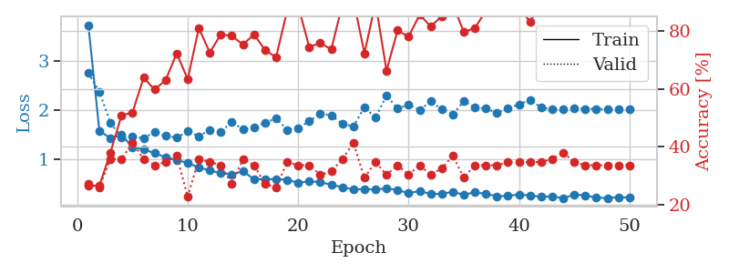
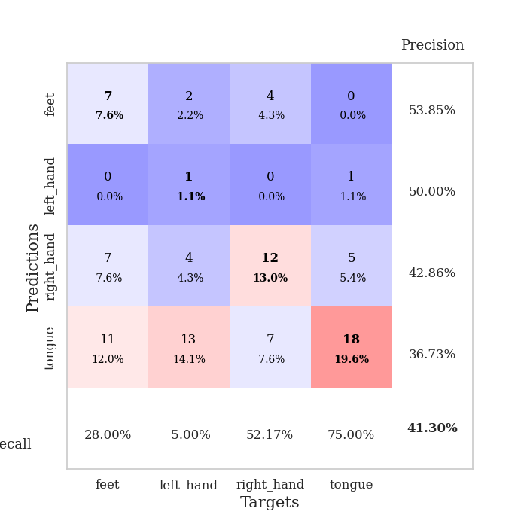
train_loss | valid_loss | train_accuracy | valid_accuracy | dur | train_misclass | valid_misclass
3.1546912452 | 4.2207438531 | 0.2527173913 | 0.26086956522 | 0.080698490143 | 25.27173913 | 26.086956522
1.6339283456 | 2.2032758049 | 0.2527173913 | 0.30434782609 | 0.079202651978 | 25.27173913 | 30.434782609
1.3831979451 | 1.9985365868 | 0.36141304348 | 0.38043478261 | 0.079032897949 | 36.141304348 | 38.043478261
1.2025787986 | 1.6794939456 | 0.47282608696 | 0.32608695652 | 0.078898668289 | 47.282608696 | 32.608695652
1.1744201028 | 1.5486028246 | 0.56793478261 | 0.3152173913 | 0.079259872437 | 56.793478261 | 31.52173913
1.1331390764 | 1.5133381667 | 0.64673913043 | 0.36956521739 | 0.079382658005 | 64.673913043 | 36.956521739
1.0882466228 | 1.5283415888 | 0.66032608696 | 0.3152173913 | 0.079435110092 | 66.032608696 | 31.52173913
0.95920000646 | 1.6079695277 | 0.6847826087 | 0.30434782609 | 0.079412698746 | 68.47826087 | 30.434782609
0.95802991805 | 1.4901858776 | 0.7472826087 | 0.35869565217 | 0.079118251801 | 74.72826087 | 35.869565217
0.90504983845 | 1.7134008667 | 0.73913043478 | 0.25 | 0.079435586929 | 73.913043478 | 25
0.8707173052 | 1.5933193694 | 0.75815217391 | 0.34782608696 | 0.080732107162 | 75.815217391 | 34.782608696
0.83062774202 | 1.488123277 | 0.82608695652 | 0.39130434783 | 0.079268932343 | 82.608695652 | 39.130434783
0.82719190224 | 1.5254987478 | 0.77445652174 | 0.39130434783 | 0.079566717148 | 77.445652174 | 39.130434783
0.72484642267 | 1.7261602153 | 0.75543478261 | 0.36956521739 | 0.07917714119 | 75.543478261 | 36.956521739
0.80403334421 | 1.5442963683 | 0.85326086957 | 0.46739130435 | 0.079392433167 | 85.326086957 | 46.739130435
0.72578831341 | 1.726566662 | 0.76630434783 | 0.4347826087 | 0.079509973526 | 76.630434783 | 43.47826087
0.69096248953 | 1.6083093467 | 0.88043478261 | 0.39130434783 | 0.079340696335 | 88.043478261 | 39.130434783
0.66065888431 | 1.6452900016 | 0.88586956522 | 0.40217391304 | 0.079327583313 | 88.586956522 | 40.217391304
0.58899635595 | 2.0009215241 | 0.76086956522 | 0.33695652174 | 0.079274892807 | 76.086956522 | 33.695652174
0.63113158812 | 1.8163293289 | 0.81793478261 | 0.38043478261 | 0.079416751862 | 81.793478261 | 38.043478261
0.56717658432 | 2.0573796967 | 0.76902173913 | 0.40217391304 | 0.079329490662 | 76.902173913 | 40.217391304
0.55962751676 | 2.1145655539 | 0.78532608696 | 0.39130434783 | 0.079344987869 | 78.532608696 | 39.130434783
0.54095097858 | 1.8072245069 | 0.88586956522 | 0.38043478261 | 0.081446886063 | 88.586956522 | 38.043478261
0.52605776942 | 1.8008241291 | 0.89673913043 | 0.41304347826 | 0.079430818558 | 89.673913043 | 41.304347826
0.49526591405 | 1.728017553 | 0.88858695652 | 0.41304347826 | 0.079244375229 | 88.858695652 | 41.304347826
0.43250280036 | 1.8312325478 | 0.89945652174 | 0.41304347826 | 0.079216003418 | 89.945652174 | 41.304347826
0.48147596484 | 2.0942913346 | 0.83152173913 | 0.35869565217 | 0.079348802567 | 83.152173913 | 35.869565217
0.41874622845 | 2.0820028834 | 0.86684782609 | 0.36956521739 | 0.079409360886 | 86.684782609 | 36.956521739
0.38032515153 | 1.9884642674 | 0.84239130435 | 0.38043478261 | 0.082746505737 | 84.239130435 | 38.043478261
0.3990178944 | 2.2684690434 | 0.8097826087 | 0.35869565217 | 0.085016012192 | 80.97826087 | 35.869565217
0.35885545547 | 2.0795147523 | 0.83695652174 | 0.36956521739 | 0.083074331284 | 83.695652174 | 36.956521739
0.37411062873 | 1.9949052489 | 0.8722826087 | 0.38043478261 | 0.081040143967 | 87.22826087 | 38.043478261
0.42010677735 | 1.9466607001 | 0.91032608696 | 0.41304347826 | 0.08108496666 | 91.032608696 | 41.304347826
0.32319780277 | 2.0256706943 | 0.88043478261 | 0.39130434783 | 0.081495046616 | 88.043478261 | 39.130434783
0.31532125548 | 2.0754172232 | 0.85869565217 | 0.39130434783 | 0.084396600723 | 85.869565217 | 39.130434783
0.35061133264 | 2.1821062254 | 0.83695652174 | 0.41304347826 | 0.081961393356 | 83.695652174 | 41.304347826
0.3201315241 | 2.1947870617 | 0.84510869565 | 0.36956521739 | 0.081148862839 | 84.510869565 | 36.956521739
0.35431299067 | 2.1350700596 | 0.875 | 0.38043478261 | 0.081423282623 | 87.5 | 38.043478261
0.34577165836 | 2.1053589582 | 0.88858695652 | 0.38043478261 | 0.081011772156 | 88.858695652 | 38.043478261
0.30071450673 | 2.0870987592 | 0.89402173913 | 0.41304347826 | 0.081057310104 | 89.402173913 | 41.304347826
0.32298705144 | 2.1273615516 | 0.89945652174 | 0.40217391304 | 0.081165313721 | 89.945652174 | 40.217391304
0.31478259 | 2.164959042 | 0.88586956522 | 0.40217391304 | 0.080982923508 | 88.586956522 | 40.217391304
0.3273791159 | 2.1472565454 | 0.89130434783 | 0.40217391304 | 0.084802865982 | 89.130434783 | 40.217391304
0.29500797909 | 2.1563074019 | 0.88586956522 | 0.38043478261 | 0.082627773285 | 88.586956522 | 38.043478261
0.31649079919 | 2.174760606 | 0.88586956522 | 0.38043478261 | 0.081253051758 | 88.586956522 | 38.043478261
0.29241138146 | 2.1660989056 | 0.88586956522 | 0.38043478261 | 0.081191301346 | 88.586956522 | 38.043478261
0.29910498987 | 2.1668841735 | 0.88586956522 | 0.38043478261 | 0.085190534592 | 88.586956522 | 38.043478261
0.29471171194 | 2.1644218745 | 0.88586956522 | 0.38043478261 | 0.080237627029 | 88.586956522 | 38.043478261
0.28578925521 | 2.1593839656 | 0.88858695652 | 0.38043478261 | 0.079730987549 | 88.858695652 | 38.043478261
0.31264378001 | 2.1555669049 | 0.88858695652 | 0.38043478261 | 0.079349279404 | 88.858695652 | 38.043478261

Best Val accuracy is 0.4673913043478261 and Best test accuracy is 0.31896551724137934
train_loss | valid_loss | train_accuracy | valid_accuracy | dur | train_misclass | valid_misclass
3.7224706774 | 2.7524435935 | 0.26630434783 | 0.27173913043 | 0.088810682297 | 26.630434783 | 27.173913043
1.579572802 | 2.3721794356 | 0.26630434783 | 0.26086956522 | 0.088646650314 | 26.630434783 | 26.086956522
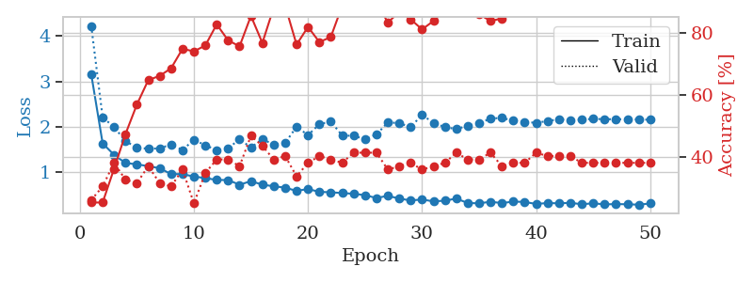
1.4313590578 | 1.7371784189 | 0.38043478261 | 0.35869565217 | 0.085774421692 | 38.043478261 | 35.869565217
1.4990848562 | 1.4542591105 | 0.50815217391 | 0.35869565217 | 0.085751056671 | 50.815217391 | 35.869565217
1.2495268065 | 1.4728601756 | 0.51902173913 | 0.41304347826 | 0.085408687592 | 51.902173913 | 41.304347826
1.2029037502 | 1.4270205653 | 0.63858695652 | 0.35869565217 | 0.085713386536 | 63.858695652 | 35.869565217
1.1303676445 | 1.5583661017 | 0.59782608696 | 0.33695652174 | 0.085964679718 | 59.782608696 | 33.695652174
1.0423506809 | 1.4784603223 | 0.63043478261 | 0.34782608696 | 0.085669279099 | 63.043478261 | 34.782608696
0.99064609797 | 1.4403005579 | 0.72282608696 | 0.36956521739 | 0.0856153965 | 72.282608696 | 36.956521739
0.92769686035 | 1.5712540668 | 0.63315217391 | 0.22826086957 | 0.085648298264 | 63.315217391 | 22.826086957
0.83769932908 | 1.4699146126 | 0.8097826087 | 0.35869565217 | 0.085916996002 | 80.97826087 | 35.869565217
0.77774763885 | 1.6023508673 | 0.72554347826 | 0.34782608696 | 0.085597991943 | 72.554347826 | 34.782608696
0.71871500041 | 1.5636398378 | 0.78804347826 | 0.33695652174 | 0.085590600967 | 78.804347826 | 33.695652174
0.69792916205 | 1.7577199314 | 0.78260869565 | 0.27173913043 | 0.08603310585 | 78.260869565 | 27.173913043
0.7622336836 | 1.609468543 | 0.7527173913 | 0.35869565217 | 0.088107585907 | 75.27173913 | 35.869565217
0.59821325411 | 1.6537082506 | 0.78804347826 | 0.33695652174 | 0.091905117035 | 78.804347826 | 33.695652174
0.60067285533 | 1.746000632 | 0.73369565217 | 0.27173913043 | 0.086548566818 | 73.369565217 | 27.173913043
0.60090191209 | 1.8308058822 | 0.70923913043 | 0.26086956522 | 0.08624958992 | 70.923913043 | 26.086956522
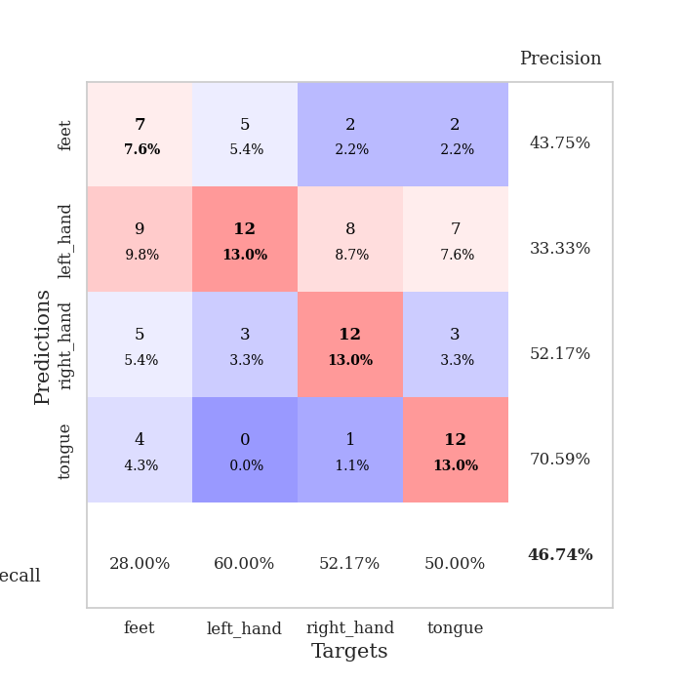
0.58909152513 | 1.6029255183 | 0.86956521739 | 0.34782608696 | 0.086025953293 | 86.956521739 | 34.782608696
0.52749760449 | 1.6353662636 | 0.88586956522 | 0.33695652174 | 0.085800170898 | 88.586956522 | 33.695652174
0.55790267626 | 1.7730171266 | 0.74456521739 | 0.33695652174 | 0.085399150848 | 74.456521739 | 33.695652174
0.5419314413 | 1.9268084091 | 0.75815217391 | 0.30434782609 | 0.085478544235 | 75.815217391 | 30.434782609
0.48573711514 | 1.8940891805 | 0.73641304348 | 0.3152173913 | 0.087340354919 | 73.641304348 | 31.52173913
0.43914813775 | 1.7214647272 | 0.89130434783 | 0.35869565217 | 0.085415124893 | 89.130434783 | 35.869565217
0.39136976587 | 1.6681317765 | 0.90760869565 | 0.41304347826 | 0.085897684097 | 90.760869565 | 41.304347826
0.40059084186 | 2.0601188826 | 0.72282608696 | 0.29347826087 | 0.085639238358 | 72.282608696 | 29.347826087
0.39042245564 | 1.8432245151 | 0.89673913043 | 0.34782608696 | 0.085586547852 | 89.673913043 | 34.782608696
0.41441154091 | 2.2959170445 | 0.66304347826 | 0.30434782609 | 0.085597991943 | 66.304347826 | 30.434782609
0.38172138774 | 2.0281046681 | 0.80163043478 | 0.33695652174 | 0.085516214371 | 80.163043478 | 33.695652174
0.3136709015 | 2.1134973402 | 0.77989130435 | 0.30434782609 | 0.085581064224 | 77.989130435 | 30.434782609
0.36437127059 | 2.0012053303 | 0.85597826087 | 0.33695652174 | 0.085550546646 | 85.597826087 | 33.695652174
0.29834633418 | 2.1764030768 | 0.8152173913 | 0.30434782609 | 0.085789203644 | 81.52173913 | 30.434782609
0.30475135439 | 2.0108860265 | 0.85054347826 | 0.32608695652 | 0.085802078247 | 85.054347826 | 32.608695652
0.34290492599 | 1.907502703 | 0.89130434783 | 0.36956521739 | 0.085365772247 | 89.130434783 | 36.956521739
0.2854186737 | 2.1826202869 | 0.79619565217 | 0.29347826087 | 0.085637331009 | 79.619565217 | 29.347826087
0.33570805419 | 2.0478191065 | 0.8097826087 | 0.33695652174 | 0.085760354996 | 80.97826087 | 33.695652174
0.30246256972 | 2.0314200132 | 0.86956521739 | 0.33695652174 | 0.085677146912 | 86.956521739 | 33.695652174
0.25531617293 | 1.9431167271 | 0.91304347826 | 0.33695652174 | 0.085574865341 | 91.304347826 | 33.695652174
0.26145929373 | 2.0347108737 | 0.89945652174 | 0.34782608696 | 0.085520029068 | 89.945652174 | 34.782608696
0.29041768157 | 2.1136550489 | 0.88043478261 | 0.34782608696 | 0.085735082626 | 88.043478261 | 34.782608696
0.27133652697 | 2.2062222439 | 0.83152173913 | 0.34782608696 | 0.08586025238 | 83.152173913 | 34.782608696
0.24269705914 | 2.0514429238 | 0.89945652174 | 0.34782608696 | 0.085462808609 | 89.945652174 | 34.782608696
0.25054979098 | 2.0105602534 | 0.91576086957 | 0.35869565217 | 0.085501194 | 91.576086957 | 35.869565217
0.21616489635 | 2.0180134359 | 0.90760869565 | 0.38043478261 | 0.085359573364 | 90.760869565 | 38.043478261
0.28663421908 | 2.0333106829 | 0.90760869565 | 0.34782608696 | 0.085886001587 | 90.760869565 | 34.782608696
0.2744658923 | 2.0262502173 | 0.91304347826 | 0.33695652174 | 0.085286140442 | 91.304347826 | 33.695652174
0.22525278544 | 2.0244741854 | 0.91576086957 | 0.33695652174 | 0.08509349823 | 91.576086957 | 33.695652174
0.21905463837 | 2.0174475856 | 0.91576086957 | 0.33695652174 | 0.08535861969 | 91.576086957 | 33.695652174
0.23836993458 | 2.0125887705 | 0.92119565217 | 0.33695652174 | 0.089960336685 | 92.119565217 | 33.695652174
0.22602137373 | 2.0087317902 | 0.92119565217 | 0.33695652174 | 0.085696697235 | 92.119565217 | 33.695652174

Best Val accuracy is 0.41304347826086957 and Best test accuracy is 0.25862068965517243

Sheet8
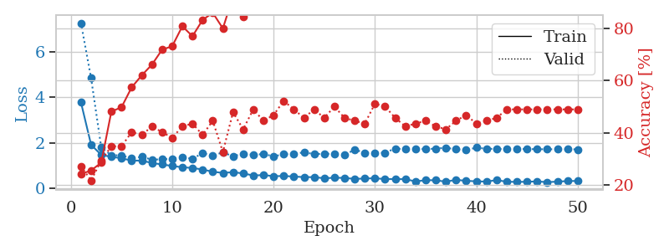
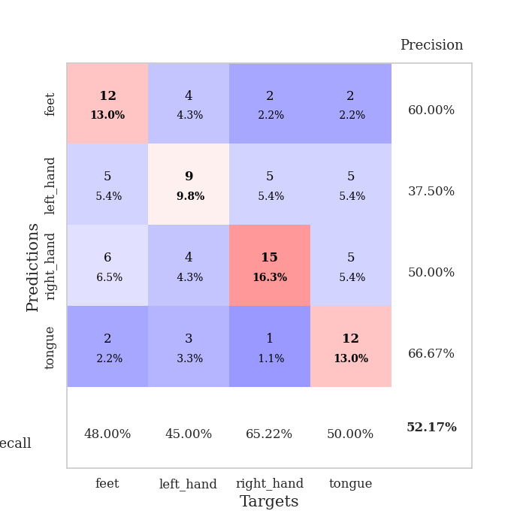
train_loss | valid_loss | train_accuracy | valid_accuracy | dur | train_misclass | valid_misclass
3.0790741236 | 2.8801212 | 0.24456521739 | 0.26086956522 | 0.080644369125 | 24.456521739 | 26.086956522
1.7312106568 | 1.7633202387 | 0.33423913043 | 0.30434782609 | 0.082179307938 | 33.423913043 | 30.434782609
1.4427225797 | 1.8149653725 | 0.375 | 0.29347826087 | 0.079514741898 | 37.5 | 29.347826087
1.284939683 | 1.6184090065 | 0.50815217391 | 0.30434782609 | 0.079355716705 | 50.815217391 | 30.434782609
1.1632679312 | 1.4513976626 | 0.55434782609 | 0.32608695652 | 0.079378128052 | 55.434782609 | 32.608695652
1.1684607708 | 1.5426517362 | 0.54891304348 | 0.30434782609 | 0.079545021057 | 54.891304348 | 30.434782609
1.0842413436 | 1.3714023932 | 0.65489130435 | 0.38043478261 | 0.079307079315 | 65.489130435 | 38.043478261
0.97001345002 | 1.434846593 | 0.71467391304 | 0.34782608696 | 0.079409360886 | 71.467391304 | 34.782608696
0.99570515622 | 1.3998878935 | 0.74184782609 | 0.4347826087 | 0.079428434372 | 74.184782609 | 43.47826087
0.9602119508 | 1.407798482 | 0.75543478261 | 0.41304347826 | 0.079489946365 | 75.543478261 | 41.304347826
0.95193223331 | 1.3560523779 | 0.79347826087 | 0.41304347826 | 0.079526185989 | 79.347826087 | 41.304347826
0.94799876213 | 1.3675354719 | 0.79619565217 | 0.39130434783 | 0.079384803772 | 79.619565217 | 39.130434783
0.82638918576 | 1.6050069643 | 0.74184782609 | 0.3152173913 | 0.079576253891 | 74.184782609 | 31.52173913
0.80161590939 | 1.7015963067 | 0.73369565217 | 0.28260869565 | 0.079339742661 | 73.369565217 | 28.260869565
0.71606843109 | 1.6906625032 | 0.77717391304 | 0.29347826087 | 0.079448699951 | 77.717391304 | 29.347826087
0.73743804641 | 1.5795852153 | 0.82065217391 | 0.33695652174 | 0.079337120056 | 82.065217391 | 33.695652174
0.71567946867 | 1.7161072337 | 0.75543478261 | 0.29347826087 | 0.079438209534 | 75.543478261 | 29.347826087
0.68286190474 | 1.5986760233 | 0.8125 | 0.35869565217 | 0.080919504166 | 81.25 | 35.869565217
0.60753147434 | 1.9197627565 | 0.66304347826 | 0.30434782609 | 0.08026266098 | 66.304347826 | 30.434782609
0.57129099188 | 1.8487508608 | 0.77173913043 | 0.27173913043 | 0.080239534378 | 77.173913043 | 27.173913043
0.57450460999 | 1.978921911 | 0.71195652174 | 0.27173913043 | 0.079561233521 | 71.195652174 | 27.173913043
0.55233353765 | 1.672448433 | 0.86413043478 | 0.29347826087 | 0.079769611359 | 86.413043478 | 29.347826087
0.50786351251 | 1.9185698447 | 0.79347826087 | 0.27173913043 | 0.079579353333 | 79.347826087 | 27.173913043
0.53930277669 | 1.6976766845 | 0.86684782609 | 0.30434782609 | 0.079480886459 | 86.684782609 | 30.434782609
0.5124877458 | 2.0604037409 | 0.74456521739 | 0.30434782609 | 0.079489946365 | 74.456521739 | 30.434782609
0.47024938529 | 2.0221663558 | 0.8125 | 0.29347826087 | 0.079569339752 | 81.25 | 29.347826087
0.503804983 | 1.844802618 | 0.86684782609 | 0.3152173913 | 0.079538345337 | 86.684782609 | 31.52173913
0.40758012818 | 2.2605662035 | 0.6847826087 | 0.30434782609 | 0.079536914825 | 68.47826087 | 30.434782609
0.43423374969 | 1.8838662998 | 0.88858695652 | 0.35869565217 | 0.081884145737 | 88.858695652 | 35.869565217
0.43013745676 | 2.14084675 | 0.76902173913 | 0.29347826087 | 0.080354452133 | 76.902173913 | 29.347826087
0.38018261091 | 2.3335514587 | 0.69293478261 | 0.26086956522 | 0.080391168594 | 69.293478261 | 26.086956522
0.37927978 | 2.2504420177 | 0.72826086957 | 0.27173913043 | 0.080337524414 | 72.826086957 | 27.173913043
0.36632954556 | 2.3465276594 | 0.70380434783 | 0.27173913043 | 0.080437898636 | 70.380434783 | 27.173913043
0.3255638166 | 2.4963011223 | 0.69293478261 | 0.30434782609 | 0.080521821976 | 69.293478261 | 30.434782609
0.34912756733 | 2.3156789697 | 0.75 | 0.30434782609 | 0.080560207367 | 75 | 30.434782609
0.3562620794 | 2.2350073068 | 0.78532608696 | 0.29347826087 | 0.080565452576 | 78.532608696 | 29.347826087
0.33988877807 | 2.3627627311 | 0.72554347826 | 0.28260869565 | 0.08048081398 | 72.554347826 | 28.260869565
0.3256426797 | 2.2028785685 | 0.79891304348 | 0.28260869565 | 0.080579519272 | 79.891304348 | 28.260869565
0.30238512612 | 2.3053913116 | 0.76630434783 | 0.29347826087 | 0.080700397491 | 76.630434783 | 29.347826087
0.30884451516 | 2.289246839 | 0.77173913043 | 0.29347826087 | 0.080407142639 | 77.173913043 | 29.347826087
0.33341584581 | 2.3498476381 | 0.75543478261 | 0.29347826087 | 0.080358505249 | 75.543478261 | 29.347826087
0.3124812362 | 2.3198306146 | 0.75 | 0.29347826087 | 0.080577611923 | 75 | 29.347826087
0.33421810101 | 2.3615278887 | 0.74456521739 | 0.29347826087 | 0.080995082855 | 74.456521739 | 29.347826087
0.30676087316 | 2.3438688568 | 0.7527173913 | 0.30434782609 | 0.080446958542 | 75.27173913 | 30.434782609
0.29241140316 | 2.3090014976 | 0.76630434783 | 0.30434782609 | 0.080379247665 | 76.630434783 | 30.434782609
0.31595380539 | 2.2912116984 | 0.77445652174 | 0.30434782609 | 0.079480886459 | 77.445652174 | 30.434782609
0.35809842821 | 2.2841972372 | 0.77717391304 | 0.30434782609 | 0.079698085785 | 77.717391304 | 30.434782609
0.28433363269 | 2.2770726992 | 0.77989130435 | 0.30434782609 | 0.079529523849 | 77.989130435 | 30.434782609
0.34551446334 | 2.2707703736 | 0.78532608696 | 0.30434782609 | 0.079298734665 | 78.532608696 | 30.434782609
0.316814731 | 2.2668580076 | 0.78804347826 | 0.30434782609 | 0.079372882843 | 78.804347826 | 30.434782609

Best Val accuracy is 0.43478260869565216 and Best test accuracy is 0.3448275862068966
train_loss | valid_loss | train_accuracy | valid_accuracy | dur | train_misclass | valid_misclass
3.7807463148 | 7.2895177344 | 0.24184782609 | 0.27173913043 | 0.086989402771 | 24.184782609 | 27.173913043
1.9082752518 | 4.8512802746 | 0.25543478261 | 0.21739130435 | 0.088568687439 | 25.543478261 | 21.739130435
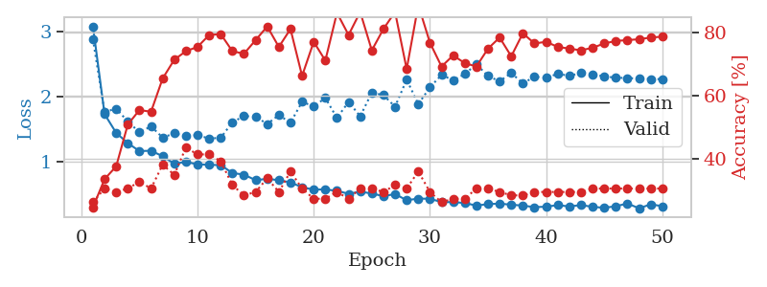
1.4604256827 | 1.7912662185 | 0.28532608696 | 0.29347826087 | 0.085769891739 | 28.532608696 | 29.347826087
1.3772374858 | 1.4416613112 | 0.48097826087 | 0.34782608696 | 0.085601806641 | 48.097826087 | 34.782608696
1.3125306005 | 1.4444448015 | 0.4972826087 | 0.34782608696 | 0.085777282715 | 49.72826087 | 34.782608696
1.20723629 | 1.3023662619 | 0.57336956522 | 0.40217391304 | 0.0854575634 | 57.336956522 | 40.217391304
1.2091433069 | 1.374747976 | 0.61956521739 | 0.39130434783 | 0.085961818695 | 61.956521739 | 39.130434783
1.1021048945 | 1.2526519143 | 0.66032608696 | 0.42391304348 | 0.085757255554 | 66.032608696 | 42.391304348
1.0405444036 | 1.2646113945 | 0.71739130435 | 0.40217391304 | 0.085550069809 | 71.739130435 | 40.217391304
0.97050496806 | 1.2959405858 | 0.73097826087 | 0.38043478261 | 0.085669994354 | 73.097826087 | 38.043478261
0.91507519587 | 1.3530302307 | 0.80706521739 | 0.42391304348 | 0.085288763046 | 80.706521739 | 42.391304348
0.88320316957 | 1.2887132271 | 0.76902173913 | 0.4347826087 | 0.085662841797 | 76.902173913 | 43.47826087
0.81602778772 | 1.5392023325 | 0.83152173913 | 0.39130434783 | 0.085710525513 | 83.152173913 | 39.130434783
0.71503580912 | 1.4362035368 | 0.85869565217 | 0.44565217391 | 0.085732221603 | 85.869565217 | 44.565217391
0.66521005009 | 1.5682388337 | 0.79891304348 | 0.32608695652 | 0.08566904068 | 79.891304348 | 32.608695652
0.6971491653 | 1.4034970584 | 0.92119565217 | 0.47826086957 | 0.085886716843 | 92.119565217 | 47.826086957
0.64357227994 | 1.5146267777 | 0.84510869565 | 0.41304347826 | 0.085508108139 | 84.510869565 | 41.304347826
0.55064002975 | 1.4667765524 | 0.89945652174 | 0.48913043478 | 0.085377454758 | 89.945652174 | 48.913043478
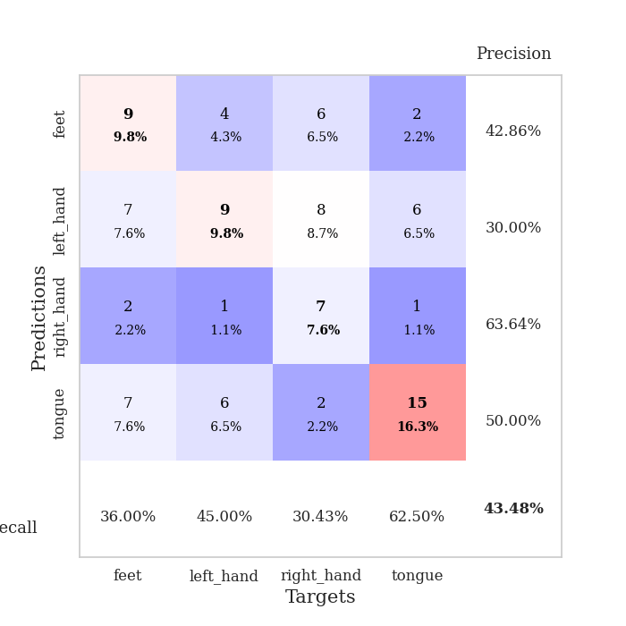
0.57014527917 | 1.4970281798 | 0.93206521739 | 0.44565217391 | 0.086169958115 | 93.206521739 | 44.565217391
0.5215087831 | 1.3983051414 | 0.9347826087 | 0.46739130435 | 0.086065769196 | 93.47826087 | 46.739130435
0.52826403794 | 1.4889465259 | 0.92663043478 | 0.52173913043 | 0.085522413254 | 92.663043478 | 52.173913043
0.50692647372 | 1.4991744809 | 0.90217391304 | 0.48913043478 | 0.086287498474 | 90.217391304 | 48.913043478
0.47697573123 | 1.5756545637 | 0.90489130435 | 0.45652173913 | 0.08786034584 | 90.489130435 | 45.652173913
0.47990077734 | 1.4971583667 | 0.9402173913 | 0.48913043478 | 0.086031198502 | 94.02173913 | 48.913043478
0.42556669077 | 1.5102682684 | 0.92934782609 | 0.45652173913 | 0.085566997528 | 92.934782609 | 45.652173913
0.4532570664 | 1.5044892197 | 0.91304347826 | 0.5 | 0.085564851761 | 91.304347826 | 50
0.44190684026 | 1.458418815 | 0.94836956522 | 0.45652173913 | 0.085899829865 | 94.836956522 | 45.652173913
0.40107327764 | 1.6937064917 | 0.88315217391 | 0.44565217391 | 0.09433889389 | 88.315217391 | 44.565217391
0.41613911805 | 1.5567870192 | 0.93206521739 | 0.4347826087 | 0.086092710495 | 93.206521739 | 43.47826087
0.42927565393 | 1.5402196231 | 0.96195652174 | 0.51086956522 | 0.086082458496 | 96.195652174 | 51.086956522
0.39139212733 | 1.5572197178 | 0.95108695652 | 0.5 | 0.085904598236 | 95.108695652 | 50
0.39086449535 | 1.7420156261 | 0.92119565217 | 0.45652173913 | 0.085730314255 | 92.119565217 | 45.652173913
0.38796512329 | 1.709222042 | 0.8722826087 | 0.42391304348 | 0.085476875305 | 87.22826087 | 42.391304348
0.28904795809 | 1.7290660402 | 0.89130434783 | 0.4347826087 | 0.085544347763 | 89.130434783 | 43.47826087
0.34241623529 | 1.7150360812 | 0.89945652174 | 0.44565217391 | 0.085816144943 | 89.945652174 | 44.565217391
0.3398882358 | 1.7394205695 | 0.91847826087 | 0.42391304348 | 0.086296796799 | 91.847826087 | 42.391304348
0.27626790949 | 1.7766717931 | 0.89130434783 | 0.41304347826 | 0.09113073349 | 89.130434783 | 41.304347826
0.36101563793 | 1.7076986717 | 0.89945652174 | 0.44565217391 | 0.086318492889 | 89.945652174 | 44.565217391
0.31344847381 | 1.6747399672 | 0.92119565217 | 0.46739130435 | 0.085827589035 | 92.119565217 | 46.739130435
0.29388023071 | 1.7805875592 | 0.88858695652 | 0.4347826087 | 0.08575630188 | 88.858695652 | 43.47826087
0.28026494902 | 1.7319269025 | 0.91576086957 | 0.44565217391 | 0.085646629333 | 91.576086957 | 44.565217391
0.34695918113 | 1.7260009258 | 0.91576086957 | 0.45652173913 | 0.089782476425 | 91.576086957 | 45.652173913
0.27465538713 | 1.7170929961 | 0.93206521739 | 0.48913043478 | 0.094515323639 | 93.206521739 | 48.913043478
0.26723416538 | 1.7202313724 | 0.93206521739 | 0.48913043478 | 0.087665557861 | 93.206521739 | 48.913043478
0.27238460387 | 1.7205765144 | 0.93206521739 | 0.48913043478 | 0.085584163666 | 93.206521739 | 48.913043478
0.28982883919 | 1.7110317634 | 0.94293478261 | 0.48913043478 | 0.085638999939 | 94.293478261 | 48.913043478
0.25492172105 | 1.7094246564 | 0.94565217391 | 0.48913043478 | 0.090316772461 | 94.565217391 | 48.913043478
0.28045240271 | 1.710514675 | 0.94293478261 | 0.48913043478 | 0.085990428925 | 94.293478261 | 48.913043478
0.30314610898 | 1.7078375972 | 0.94565217391 | 0.48913043478 | 0.085630893707 | 94.565217391 | 48.913043478
0.3101955798 | 1.7055408022 | 0.95108695652 | 0.48913043478 | 0.1001560688 | 95.108695652 | 48.913043478

Best Val accuracy is 0.5217391304347826 and Best test accuracy is 0.41379310344827586

Sheet9
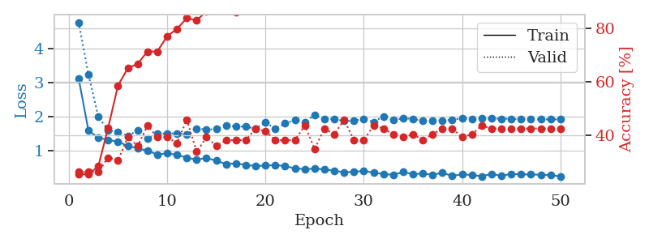
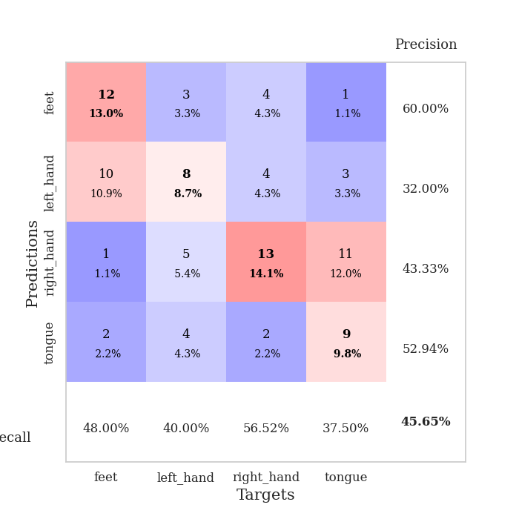
train_loss | valid_loss | train_accuracy | valid_accuracy | dur | train_misclass | valid_misclass
3.2999148472 | 4.2595886044 | 0.3152173913 | 0.25 | 0.081921339035 | 31.52173913 | 25
1.5865531123 | 3.5424259227 | 0.32336956522 | 0.30434782609 | 0.079843044281 | 32.336956522 | 30.434782609
1.2909724661 | 2.5369498211 | 0.39130434783 | 0.29347826087 | 0.079346895218 | 39.130434783 | 29.347826087
1.2649051936 | 1.7015878118 | 0.57880434783 | 0.27173913043 | 0.079795598984 | 57.880434783 | 27.173913043
1.185029885 | 1.6180723543 | 0.59510869565 | 0.29347826087 | 0.08233332634 | 59.510869565 | 29.347826087
1.110875109 | 1.6765883902 | 0.64945652174 | 0.29347826087 | 0.080574035645 | 64.945652174 | 29.347826087
1.0450256026 | 1.6113716053 | 0.70380434783 | 0.26086956522 | 0.080503225327 | 70.380434783 | 26.086956522
0.948023822 | 1.7140504277 | 0.73369565217 | 0.27173913043 | 0.080152988434 | 73.369565217 | 27.173913043
0.96481017704 | 1.7448416378 | 0.6902173913 | 0.29347826087 | 0.08012509346 | 69.02173913 | 29.347826087
0.88004136474 | 1.8152953438 | 0.70923913043 | 0.28260869565 | 0.080354690552 | 70.923913043 | 28.260869565
0.92041852941 | 1.9161182901 | 0.67391304348 | 0.26086956522 | 0.080147743225 | 67.391304348 | 26.086956522
0.84591101304 | 1.8539682057 | 0.78532608696 | 0.28260869565 | 0.08024096489 | 78.532608696 | 28.260869565
0.82856784437 | 1.8196477424 | 0.80434782609 | 0.26086956522 | 0.080281734467 | 80.434782609 | 26.086956522
0.74542525281 | 1.9402790484 | 0.8097826087 | 0.22826086957 | 0.080293416977 | 80.97826087 | 22.826086957
0.74293632093 | 1.9199560829 | 0.83423913043 | 0.29347826087 | 0.081702709198 | 83.423913043 | 29.347826087
0.72049291885 | 2.2186138215 | 0.66304347826 | 0.25 | 0.078944444656 | 66.304347826 | 25
0.70795137338 | 2.0381272772 | 0.82880434783 | 0.27173913043 | 0.079215288162 | 82.880434783 | 27.173913043
0.66499362692 | 1.8125788699 | 0.86413043478 | 0.32608695652 | 0.0791888237 | 86.413043478 | 32.608695652
0.69109123557 | 1.8543174422 | 0.8125 | 0.23913043478 | 0.079169511795 | 81.25 | 23.913043478
0.6153051296 | 2.053347204 | 0.84510869565 | 0.23913043478 | 0.079158306122 | 84.510869565 | 23.913043478
0.58907234539 | 1.9702329117 | 0.83695652174 | 0.25 | 0.079089164734 | 83.695652174 | 25
0.55383171595 | 2.2015806592 | 0.78532608696 | 0.22826086957 | 0.079084634781 | 78.532608696 | 22.826086957
0.57590300752 | 1.9012690316 | 0.85326086957 | 0.29347826087 | 0.079154014587 | 85.326086957 | 29.347826087
0.49088517091 | 1.9900323412 | 0.79076086957 | 0.27173913043 | 0.07909989357 | 79.076086957 | 27.173913043
0.46829491076 | 1.9238845317 | 0.91304347826 | 0.33695652174 | 0.078965425491 | 91.304347826 | 33.695652174
0.47727238808 | 1.9173306382 | 0.83695652174 | 0.27173913043 | 0.079087734222 | 83.695652174 | 27.173913043
0.45010742675 | 2.111242315 | 0.83152173913 | 0.27173913043 | 0.079213857651 | 83.152173913 | 27.173913043
0.41389367049 | 2.052697389 | 0.86684782609 | 0.28260869565 | 0.079163551331 | 86.684782609 | 28.260869565
0.45033009545 | 2.1342574824 | 0.8777173913 | 0.29347826087 | 0.079033851624 | 87.77173913 | 29.347826087
0.43582058471 | 1.9926455436 | 0.88043478261 | 0.30434782609 | 0.079927444458 | 88.043478261 | 30.434782609
0.41115324912 | 1.9952903209 | 0.91032608696 | 0.25 | 0.080817937851 | 91.032608696 | 25
0.41474220319 | 2.3016190322 | 0.80706521739 | 0.26086956522 | 0.079696655273 | 80.706521739 | 26.086956522
0.43210257719 | 2.0605752883 | 0.91304347826 | 0.26086956522 | 0.079389095306 | 91.304347826 | 26.086956522
0.39883368819 | 2.1171136628 | 0.91032608696 | 0.25 | 0.079492092133 | 91.032608696 | 25
0.33800135197 | 2.14021492 | 0.92119565217 | 0.26086956522 | 0.079340696335 | 92.119565217 | 26.086956522
0.36105285455 | 2.2180820133 | 0.86956521739 | 0.25 | 0.079262971878 | 86.956521739 | 25
0.35532647566 | 2.2903214849 | 0.86141304348 | 0.22826086957 | 0.079167366028 | 86.141304348 | 22.826086957
0.3555160735 | 2.1832276116 | 0.89130434783 | 0.23913043478 | 0.079208612442 | 89.130434783 | 23.913043478
0.30153188109 | 2.257189533 | 0.81793478261 | 0.26086956522 | 0.079267978668 | 81.793478261 | 26.086956522
0.33474295457 | 2.1869682333 | 0.86956521739 | 0.26086956522 | 0.079340219498 | 86.956521739 | 26.086956522
0.292332002 | 2.1845466261 | 0.8777173913 | 0.26086956522 | 0.079360246658 | 87.77173913 | 26.086956522
0.36706639891 | 2.2080293738 | 0.875 | 0.25 | 0.07936501503 | 87.5 | 25
0.29384141642 | 2.1936122956 | 0.89130434783 | 0.26086956522 | 0.079555034637 | 89.130434783 | 26.086956522
0.32553228509 | 2.1727976073 | 0.90760869565 | 0.25 | 0.079456090927 | 90.760869565 | 25
0.36326265594 | 2.1628380133 | 0.91032608696 | 0.25 | 0.079221010208 | 91.032608696 | 25
0.28190669709 | 2.1422589655 | 0.91304347826 | 0.23913043478 | 0.07935500145 | 91.304347826 | 23.913043478
0.32052450659 | 2.1326096473 | 0.91576086957 | 0.23913043478 | 0.079415082932 | 91.576086957 | 23.913043478
0.28975115457 | 2.1311499658 | 0.92391304348 | 0.23913043478 | 0.079238414764 | 92.391304348 | 23.913043478
0.29559094556 | 2.1305871943 | 0.92391304348 | 0.23913043478 | 0.079271793365 | 92.391304348 | 23.913043478
0.31849160531 | 2.1303143087 | 0.92391304348 | 0.23913043478 | 0.079356193542 | 92.391304348 | 23.913043478

Best Val accuracy is 0.33695652173913043 and Best test accuracy is 0.3879310344827586
train_loss | valid_loss | train_accuracy | valid_accuracy | dur | train_misclass | valid_misclass
3.1177032098 | 4.7686390047 | 0.2527173913 | 0.26086956522 | 0.088590860367 | 25.27173913 | 26.086956522
1.5814273824 | 3.2305317858 | 0.2527173913 | 0.26086956522 | 0.086916923523 | 25.27173913 | 26.086956522
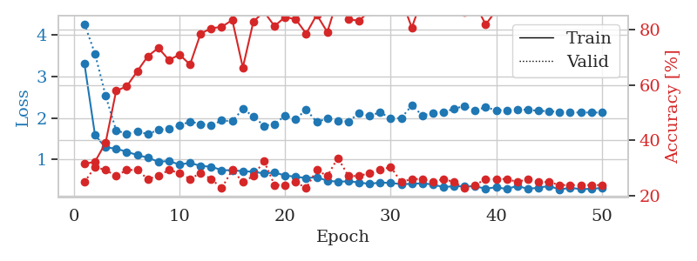
1.377247489 | 1.9944125932 | 0.28260869565 | 0.26086956522 | 0.086290597916 | 28.260869565 | 26.086956522
1.3074166386 | 1.5942230173 | 0.42663043478 | 0.3152173913 | 0.086455821991 | 42.663043478 | 31.52173913
1.2603753468 | 1.5409665885 | 0.58423913043 | 0.30434782609 | 0.086073637009 | 58.423913043 | 30.434782609
1.1333609405 | 1.4271869452 | 0.64945652174 | 0.39130434783 | 0.086232423782 | 64.945652174 | 39.130434783
1.068500892 | 1.5921838128 | 0.66576086957 | 0.35869565217 | 0.086167097092 | 66.576086957 | 35.869565217
0.99012959781 | 1.3517371883 | 0.71195652174 | 0.4347826087 | 0.088673353195 | 71.195652174 | 43.47826087
0.88350060971 | 1.505730178 | 0.71195652174 | 0.39130434783 | 0.089904069901 | 71.195652174 | 39.130434783
0.91149556896 | 1.4908151678 | 0.76902173913 | 0.39130434783 | 0.088521242142 | 76.902173913 | 39.130434783
0.87396314222 | 1.5057333811 | 0.79619565217 | 0.36956521739 | 0.085913181305 | 79.619565217 | 36.956521739
0.78829706233 | 1.4815662374 | 0.83695652174 | 0.45652173913 | 0.086123466492 | 83.695652174 | 45.652173913
0.72842303825 | 1.6489940467 | 0.82880434783 | 0.33695652174 | 0.086441278458 | 82.880434783 | 33.695652174
0.78108428354 | 1.6131432627 | 0.86141304348 | 0.39130434783 | 0.086668729782 | 86.141304348 | 39.130434783
0.69859611211 | 1.6291832717 | 0.89945652174 | 0.35869565217 | 0.085798740387 | 89.945652174 | 35.869565217
0.59984395945 | 1.7354287479 | 0.875 | 0.38043478261 | 0.085558414459 | 87.5 | 38.043478261
0.62095004579 | 1.7046996148 | 0.85869565217 | 0.38043478261 | 0.085959672928 | 85.869565217 | 38.043478261
0.576221089 | 1.7046204028 | 0.9375 | 0.38043478261 | 0.085934638977 | 93.75 | 38.043478261
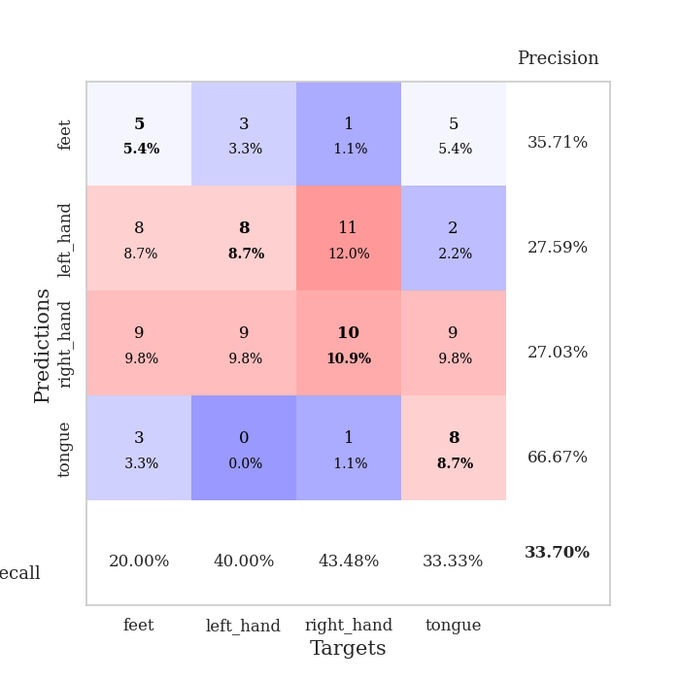
0.54367171034 | 1.642615282 | 0.94293478261 | 0.42391304348 | 0.086185455322 | 94.293478261 | 42.391304348
0.5545434738 | 1.8215691991 | 0.88043478261 | 0.41304347826 | 0.085624456406 | 88.043478261 | 41.304347826
0.57070235195 | 1.6385152703 | 0.9402173913 | 0.38043478261 | 0.085793972015 | 94.02173913 | 38.043478261
0.54235546939 | 1.7997847899 | 0.94293478261 | 0.38043478261 | 0.086252212524 | 94.293478261 | 38.043478261
0.46908328196 | 1.8915483174 | 0.90217391304 | 0.38043478261 | 0.086507320404 | 90.217391304 | 38.043478261
0.45450373188 | 1.8329494932 | 0.94565217391 | 0.4347826087 | 0.085964441299 | 94.565217391 | 43.47826087
0.46210889842 | 2.045254329 | 0.89130434783 | 0.34782608696 | 0.090691328049 | 89.130434783 | 34.782608696
0.44645201771 | 1.9258313749 | 0.9375 | 0.42391304348 | 0.086559534073 | 93.75 | 42.391304348
0.40188360149 | 1.9271022133 | 0.90760869565 | 0.40217391304 | 0.086273670197 | 90.760869565 | 40.217391304
0.35992897658 | 1.8651054061 | 0.97282608696 | 0.45652173913 | 0.086471796036 | 97.282608696 | 45.652173913
0.37121001663 | 1.8710427647 | 0.95108695652 | 0.38043478261 | 0.086392402649 | 95.108695652 | 38.043478261
0.39754232505 | 1.9348999314 | 0.94565217391 | 0.38043478261 | 0.086044073105 | 94.565217391 | 38.043478261
0.3522847392 | 1.8383268533 | 0.97826086957 | 0.4347826087 | 0.085781812668 | 97.826086957 | 43.47826087
0.30605295819 | 2.0057008577 | 0.95108695652 | 0.42391304348 | 0.086251974106 | 95.108695652 | 42.391304348
0.2847496966 | 1.8887031182 | 0.97282608696 | 0.40217391304 | 0.086030960083 | 97.282608696 | 40.217391304
0.36586551109 | 1.9440667992 | 0.96195652174 | 0.39130434783 | 0.086047172546 | 96.195652174 | 39.130434783
0.30482396581 | 1.9307309285 | 0.98097826087 | 0.40217391304 | 0.085815191269 | 98.097826087 | 40.217391304
0.32335791381 | 1.8702686559 | 0.96739130435 | 0.38043478261 | 0.085650444031 | 96.739130435 | 38.043478261
0.28603938319 | 1.8766583774 | 0.97554347826 | 0.40217391304 | 0.086149454117 | 97.554347826 | 40.217391304
0.34429986451 | 1.8865713814 | 0.98097826087 | 0.42391304348 | 0.085754156113 | 98.097826087 | 42.391304348
0.25040553348 | 1.8960263003 | 0.98369565217 | 0.42391304348 | 0.085997343063 | 98.369565217 | 42.391304348
0.30087178427 | 1.9525108597 | 0.98097826087 | 0.39130434783 | 0.09091258049 | 98.097826087 | 39.130434783
0.27742003423 | 1.9243464522 | 0.98369565217 | 0.40217391304 | 0.091931581497 | 98.369565217 | 40.217391304
0.24416965376 | 1.9367708175 | 0.98369565217 | 0.4347826087 | 0.086293458939 | 98.369565217 | 43.47826087
0.31012081322 | 1.9367260518 | 0.98641304348 | 0.42391304348 | 0.085521697998 | 98.641304348 | 42.391304348
0.25620301521 | 1.9346642546 | 0.98641304348 | 0.42391304348 | 0.085693597794 | 98.641304348 | 42.391304348
0.31261487888 | 1.9304546273 | 0.98641304348 | 0.42391304348 | 0.086300373077 | 98.641304348 | 42.391304348
0.29561414958 | 1.9174169509 | 0.98641304348 | 0.42391304348 | 0.085878372192 | 98.641304348 | 42.391304348
0.29774245101 | 1.9145328066 | 0.98641304348 | 0.42391304348 | 0.085776567459 | 98.641304348 | 42.391304348
0.28420723878 | 1.9153657789 | 0.98641304348 | 0.42391304348 | 0.090360403061 | 98.641304348 | 42.391304348
0.27646969453 | 1.9141199433 | 0.98641304348 | 0.42391304348 | 0.087556362152 | 98.641304348 | 42.391304348
0.23893260859 | 1.9139607886 | 0.98641304348 | 0.42391304348 | 0.085852622986 | 98.641304348 | 42.391304348

Best Val accuracy is 0.45652173913043476 and Best test accuracy is 0.33620689655172414

Sheet10
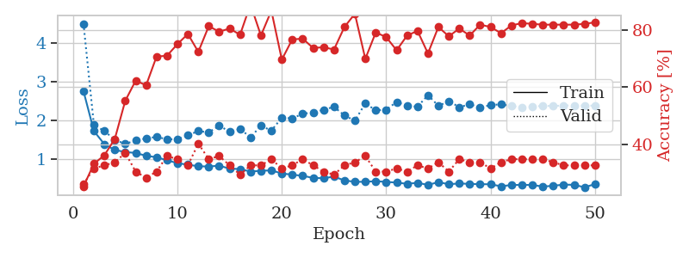
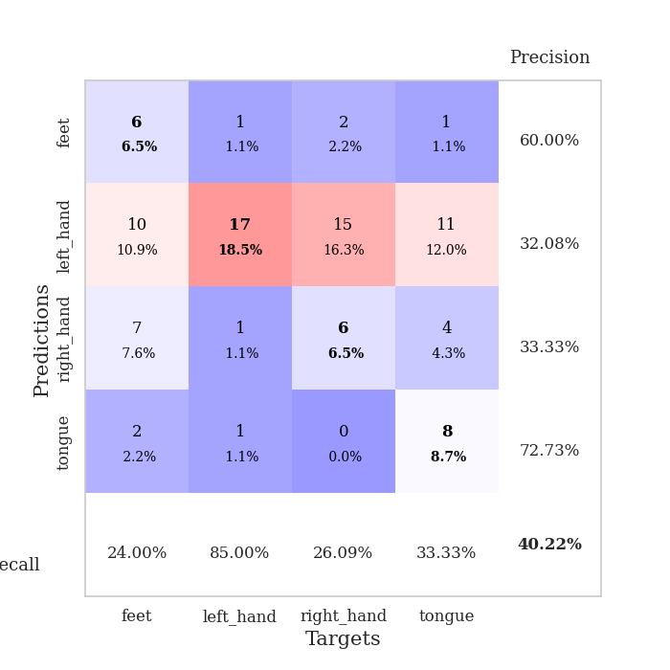
train_loss | valid_loss | train_accuracy | valid_accuracy | dur | train_misclass | valid_misclass
3.89045182 | 5.1168779083 | 0.26086956522 | 0.21739130435 | 0.079202413559 | 26.086956522 | 21.739130435
1.7996435269 | 2.1297739381 | 0.32608695652 | 0.28260869565 | 0.078737020493 | 32.608695652 | 28.260869565
1.4267389152 | 1.7332423563 | 0.44293478261 | 0.29347826087 | 0.079006433487 | 44.293478261 | 29.347826087
1.3305865837 | 1.5870665001 | 0.53260869565 | 0.21739130435 | 0.079009056091 | 53.260869565 | 21.739130435
1.2635181987 | 1.5620881578 | 0.60054347826 | 0.22826086957 | 0.078996181488 | 60.054347826 | 22.826086957
1.2321951493 | 1.4855161905 | 0.60597826087 | 0.34782608696 | 0.079049110413 | 60.597826087 | 34.782608696
1.0978098538 | 1.5290634166 | 0.65217391304 | 0.34782608696 | 0.078836202621 | 65.217391304 | 34.782608696
1.0262270855 | 1.479840771 | 0.69565217391 | 0.30434782609 | 0.079238653183 | 69.565217391 | 30.434782609
0.96079822468 | 1.561371824 | 0.66032608696 | 0.3152173913 | 0.082544803619 | 66.032608696 | 31.52173913
0.90971117175 | 1.5262694359 | 0.78532608696 | 0.30434782609 | 0.080845594406 | 78.532608696 | 30.434782609
0.87567193353 | 1.5201690456 | 0.77989130435 | 0.34782608696 | 0.079928398132 | 77.989130435 | 34.782608696
0.73976038461 | 1.6342550723 | 0.77173913043 | 0.28260869565 | 0.07950425148 | 77.173913043 | 28.260869565
0.74466158514 | 1.8885132023 | 0.8097826087 | 0.27173913043 | 0.079391717911 | 80.97826087 | 27.173913043
0.66793486735 | 1.6300099 | 0.8777173913 | 0.33695652174 | 0.08235168457 | 87.77173913 | 33.695652174
0.71494136945 | 1.8106221634 | 0.84782608696 | 0.28260869565 | 0.080422639847 | 84.782608696 | 28.260869565
0.68729467366 | 1.793846006 | 0.875 | 0.27173913043 | 0.080564260483 | 87.5 | 27.173913043
0.69235216664 | 1.8535621996 | 0.83152173913 | 0.3152173913 | 0.080422878265 | 83.152173913 | 31.52173913
0.61130611793 | 1.8438932066 | 0.86956521739 | 0.28260869565 | 0.080425024033 | 86.956521739 | 28.260869565
0.59339484184 | 1.7278604093 | 0.82336956522 | 0.35869565217 | 0.080449581146 | 82.336956522 | 35.869565217
0.54163959363 | 1.9596563008 | 0.88586956522 | 0.30434782609 | 0.080431699753 | 88.586956522 | 30.434782609
0.55643366212 | 1.8098297015 | 0.89945652174 | 0.32608695652 | 0.080490112305 | 89.945652174 | 32.608695652
0.55789711229 | 2.0429476033 | 0.85869565217 | 0.30434782609 | 0.080554962158 | 85.869565217 | 30.434782609
0.45933328699 | 2.0997478029 | 0.86684782609 | 0.27173913043 | 0.080548048019 | 86.684782609 | 27.173913043
0.48933316184 | 2.2754190072 | 0.77989130435 | 0.26086956522 | 0.080849885941 | 77.989130435 | 26.086956522
0.4863760886 | 1.9257892318 | 0.89673913043 | 0.3152173913 | 0.080638408661 | 89.673913043 | 31.52173913
0.47645631433 | 2.0470779771 | 0.85054347826 | 0.33695652174 | 0.080230474472 | 85.054347826 | 33.695652174
0.45782577084 | 1.8562597503 | 0.90217391304 | 0.30434782609 | 0.080232858658 | 90.217391304 | 30.434782609
0.41052756167 | 1.8516669999 | 0.9402173913 | 0.3152173913 | 0.08037853241 | 94.02173913 | 31.52173913
0.38392914249 | 1.9998672941 | 0.90760869565 | 0.29347826087 | 0.080394506454 | 90.760869565 | 29.347826087
0.38153971408 | 2.0791662569 | 0.88586956522 | 0.28260869565 | 0.080545902252 | 88.586956522 | 28.260869565
0.34700210911 | 2.1745546175 | 0.85869565217 | 0.25 | 0.080488681793 | 85.869565217 | 25
0.36191920288 | 2.3830670377 | 0.85597826087 | 0.29347826087 | 0.080509185791 | 85.597826087 | 29.347826087
0.32984600767 | 2.2555909675 | 0.89673913043 | 0.26086956522 | 0.080846071243 | 89.673913043 | 26.086956522
0.37198716726 | 2.2863270096 | 0.89402173913 | 0.29347826087 | 0.080703020096 | 89.402173913 | 29.347826087
0.33518553136 | 2.2504563124 | 0.875 | 0.29347826087 | 0.080503940582 | 87.5 | 29.347826087
0.3504007815 | 2.2851732503 | 0.88043478261 | 0.30434782609 | 0.080599069595 | 88.043478261 | 30.434782609
0.351669594 | 2.1250283511 | 0.92663043478 | 0.3152173913 | 0.080389738083 | 92.663043478 | 31.52173913
0.33229774885 | 2.2026354334 | 0.92663043478 | 0.29347826087 | 0.080503463745 | 92.663043478 | 29.347826087
0.30799278423 | 2.2590788447 | 0.89945652174 | 0.27173913043 | 0.080664634705 | 89.945652174 | 27.173913043
0.25526689285 | 2.3204902462 | 0.90760869565 | 0.29347826087 | 0.080392599106 | 90.760869565 | 29.347826087
0.28952731905 | 2.317953939 | 0.92934782609 | 0.29347826087 | 0.080195188522 | 92.934782609 | 29.347826087
0.32986197394 | 2.3400070045 | 0.91847826087 | 0.28260869565 | 0.080515861511 | 91.847826087 | 28.260869565
0.35164034885 | 2.3119796048 | 0.91847826087 | 0.27173913043 | 0.080579519272 | 91.847826087 | 27.173913043
0.31097667891 | 2.3088988532 | 0.91847826087 | 0.29347826087 | 0.08044052124 | 91.847826087 | 29.347826087
0.34314294354 | 2.2808915739 | 0.93206521739 | 0.28260869565 | 0.080206871033 | 93.206521739 | 28.260869565
0.24281223442 | 2.290808346 | 0.93206521739 | 0.28260869565 | 0.080492973328 | 93.206521739 | 28.260869565
0.30342017341 | 2.2826531763 | 0.9402173913 | 0.29347826087 | 0.080410718918 | 94.02173913 | 29.347826087
0.26031264711 | 2.2801871196 | 0.94293478261 | 0.29347826087 | 0.080220460892 | 94.293478261 | 29.347826087
0.30272101141 | 2.2796164492 | 0.94293478261 | 0.29347826087 | 0.080435037613 | 94.293478261 | 29.347826087
0.31613763713 | 2.280521963 | 0.94293478261 | 0.29347826087 | 0.080259084702 | 94.293478261 | 29.347826087

Best Val accuracy is 0.358695652173913 and Best test accuracy is 0.39655172413793105
train_loss | valid_loss | train_accuracy | valid_accuracy | dur | train_misclass | valid_misclass
2.7618481543 | 4.5119120867 | 0.2527173913 | 0.26086956522 | 0.087664604187 | 25.27173913 | 26.086956522
1.7245228394 | 1.8808218396 | 0.33152173913 | 0.3152173913 | 0.085817813873 | 33.152173913 | 31.52173913
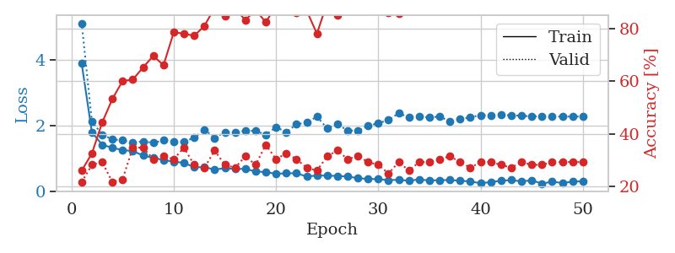
1.3859988192 | 1.7291668394 | 0.36141304348 | 0.32608695652 | 0.085810184479 | 36.141304348 | 32.608695652
1.2352968351 | 1.4946810525 | 0.41847826087 | 0.33695652174 | 0.085450649261 | 41.847826087 | 33.695652174
1.1819375494 | 1.3943244219 | 0.55163043478 | 0.36956521739 | 0.085415124893 | 55.163043478 | 36.956521739
1.1575262961 | 1.4811362806 | 0.6222826087 | 0.30434782609 | 0.085761785507 | 62.22826087 | 30.434782609
1.083927818 | 1.5337677779 | 0.60597826087 | 0.28260869565 | 0.085412502289 | 60.597826087 | 28.260869565
1.0462826309 | 1.5747504804 | 0.70652173913 | 0.30434782609 | 0.085466146469 | 70.652173913 | 30.434782609
0.96884228354 | 1.512518805 | 0.70923913043 | 0.35869565217 | 0.085641860962 | 70.923913043 | 35.869565217
0.89297096885 | 1.5140023646 | 0.75 | 0.34782608696 | 0.085954189301 | 75 | 34.782608696
0.85418233405 | 1.617821709 | 0.78532608696 | 0.32608695652 | 0.085558176041 | 78.532608696 | 32.608695652
0.81194895765 | 1.7237458281 | 0.72282608696 | 0.40217391304 | 0.085201263428 | 72.282608696 | 40.217391304
0.80631587557 | 1.6928228762 | 0.8125 | 0.34782608696 | 0.088321447372 | 81.25 | 34.782608696
0.8279293931 | 1.8628601821 | 0.79347826087 | 0.35869565217 | 0.085530281067 | 79.347826087 | 35.869565217
0.75060693466 | 1.7130252589 | 0.80434782609 | 0.32608695652 | 0.087266206741 | 80.434782609 | 32.608695652
0.74093247108 | 1.7804437513 | 0.78260869565 | 0.29347826087 | 0.085576057434 | 78.260869565 | 29.347826087
0.67381356333 | 1.563480797 | 0.88858695652 | 0.32608695652 | 0.084806680679 | 88.858695652 | 32.608695652
0.69623777659 | 1.8638520085 | 0.77989130435 | 0.32608695652 | 0.084891080856 | 77.989130435 | 32.608695652
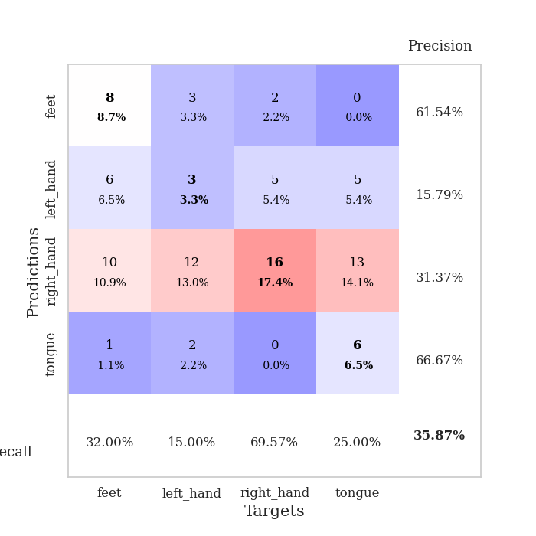
0.70547470191 | 1.7374873628 | 0.86684782609 | 0.34782608696 | 0.084573030472 | 86.684782609 | 34.782608696
0.62595412265 | 2.072284118 | 0.69565217391 | 0.3152173913 | 0.084619283676 | 69.565217391 | 31.52173913
0.59401424942 | 2.0556050902 | 0.76630434783 | 0.32608695652 | 0.084508180618 | 76.630434783 | 32.608695652
0.56474301737 | 2.1730163512 | 0.76902173913 | 0.34782608696 | 0.085242986679 | 76.902173913 | 34.782608696
0.51056823264 | 2.2109556716 | 0.73641304348 | 0.32608695652 | 0.085441350937 | 73.641304348 | 32.608695652
0.50176841409 | 2.277360885 | 0.73913043478 | 0.30434782609 | 0.085345506668 | 73.913043478 | 30.434782609
0.54338032137 | 2.3545525903 | 0.73097826087 | 0.29347826087 | 0.08434009552 | 73.097826087 | 29.347826087
0.44451655383 | 2.1299057525 | 0.8097826087 | 0.32608695652 | 0.085280179977 | 80.97826087 | 32.608695652
0.40977000607 | 1.9953647904 | 0.85597826087 | 0.33695652174 | 0.084186315536 | 85.597826087 | 33.695652174
0.40889995966 | 2.4451286896 | 0.69836956522 | 0.35869565217 | 0.084891319275 | 69.836956522 | 35.869565217
0.4262247484 | 2.2623477293 | 0.79076086957 | 0.30434782609 | 0.084647893906 | 79.076086957 | 30.434782609
0.40677728407 | 2.2806480967 | 0.77445652174 | 0.30434782609 | 0.084206581116 | 77.445652174 | 30.434782609
0.38949478126 | 2.481722614 | 0.72826086957 | 0.3152173913 | 0.084772109985 | 72.826086957 | 31.52173913
0.35679759215 | 2.383072283 | 0.77989130435 | 0.30434782609 | 0.084738016129 | 77.989130435 | 30.434782609
0.38420950589 | 2.3570077419 | 0.79619565217 | 0.32608695652 | 0.085919618607 | 79.619565217 | 32.608695652
0.32799828441 | 2.6580416742 | 0.71739130435 | 0.3152173913 | 0.085013151169 | 71.739130435 | 31.52173913
0.40189608413 | 2.380230603 | 0.8097826087 | 0.33695652174 | 0.08482503891 | 80.97826087 | 33.695652174
0.34473971699 | 2.5003736848 | 0.77717391304 | 0.30434782609 | 0.084684371948 | 77.717391304 | 30.434782609
0.36805107866 | 2.3472912208 | 0.80434782609 | 0.34782608696 | 0.084888219833 | 80.434782609 | 34.782608696
0.35356840815 | 2.4177662912 | 0.77989130435 | 0.33695652174 | 0.084930181503 | 77.989130435 | 33.695652174
0.34888241537 | 2.3455768461 | 0.81793478261 | 0.33695652174 | 0.085319519043 | 81.793478261 | 33.695652174
0.34450596571 | 2.3949198723 | 0.8097826087 | 0.3152173913 | 0.085059404373 | 80.97826087 | 31.52173913
0.29317632318 | 2.4231922834 | 0.78804347826 | 0.33695652174 | 0.085350036621 | 78.804347826 | 33.695652174
0.32634998356 | 2.3740316267 | 0.8152173913 | 0.34782608696 | 0.085328817368 | 81.52173913 | 34.782608696
0.32906283147 | 2.3446275773 | 0.82336956522 | 0.34782608696 | 0.084781169891 | 82.336956522 | 34.782608696
0.32691117117 | 2.3570736698 | 0.82065217391 | 0.34782608696 | 0.084904909134 | 82.065217391 | 34.782608696
0.28647197621 | 2.3819841095 | 0.81793478261 | 0.34782608696 | 0.085030317307 | 81.793478261 | 34.782608696
0.30549266934 | 2.3742025417 | 0.81793478261 | 0.33695652174 | 0.085389852524 | 81.793478261 | 33.695652174
0.3372839929 | 2.3895402266 | 0.81793478261 | 0.32608695652 | 0.086663484573 | 81.793478261 | 32.608695652
0.32992663915 | 2.389890308 | 0.81793478261 | 0.32608695652 | 0.085737943649 | 81.793478261 | 32.608695652
0.26780257147 | 2.3865660688 | 0.82065217391 | 0.32608695652 | 0.086138963699 | 82.065217391 | 32.608695652
0.34909282495 | 2.3840714227 | 0.82608695652 | 0.32608695652 | 0.086077213287 | 82.608695652 | 32.608695652

Best Val accuracy is 0.40217391304347827 and Best test accuracy is 0.3879310344827586

