Sheet
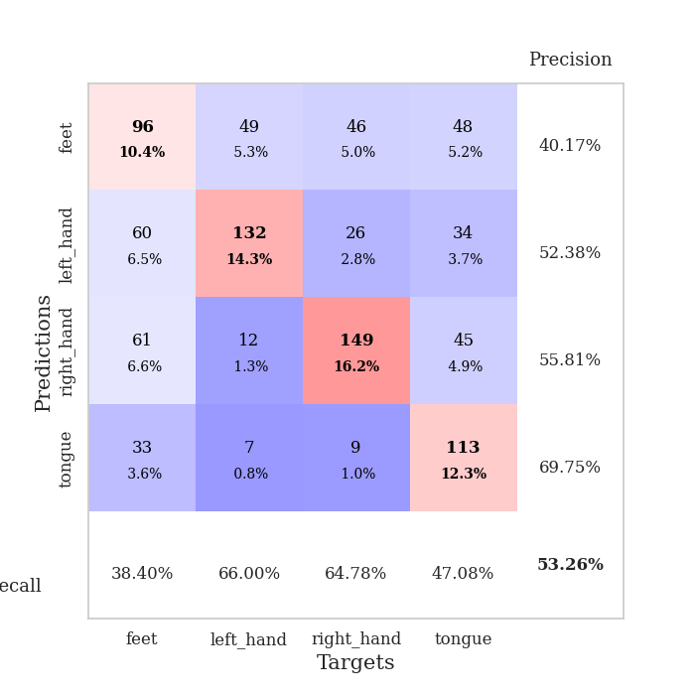
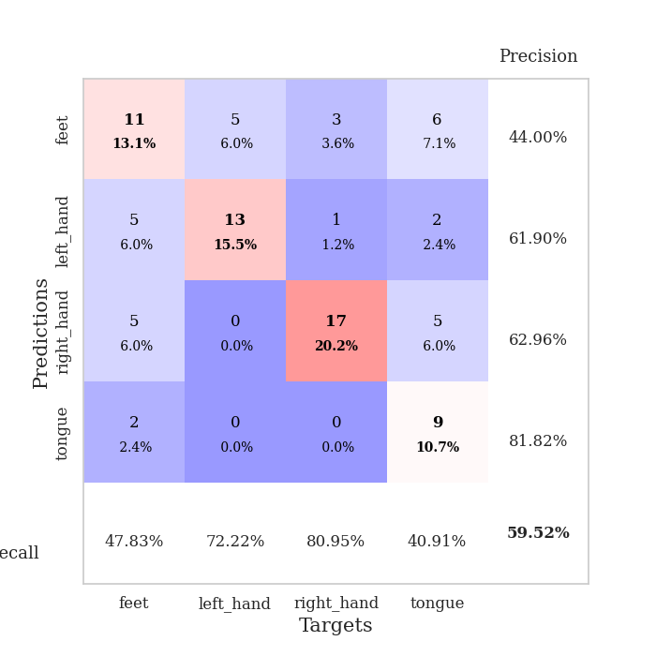
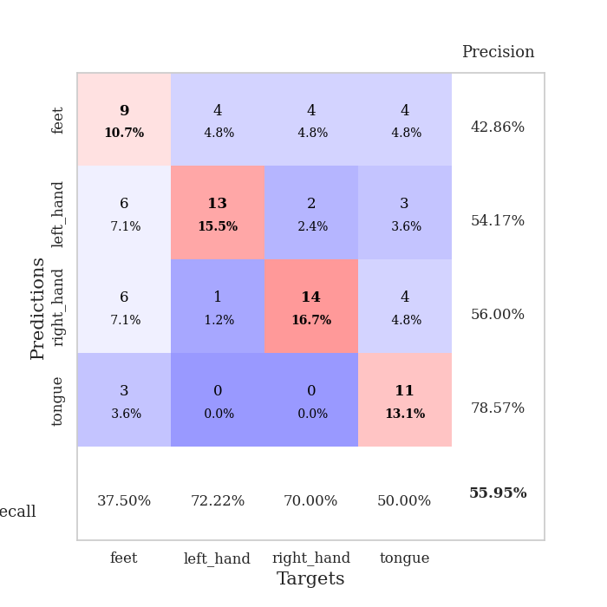
best_val_acc | best_val_los | best_test_acc
0.52173913043 | 1.2391420862 | 0.59482758621
0.59782608696 | 1.0841543804 | 0.65517241379
0.61956521739 | 0.97138082722 | 0.65517241379
0.5 | 1.2980809471 | 0.5775862069
0.5652173913 | 1.0899830927 | 0.55172413793
0.54347826087 | 1.0813898315 | 0.61206896552
0.59782608696 | 1.0668391637 | 0.56896551724
0.53260869565 | 1.1166126391 | 0.56896551724
0.5652173913 | 1.1439176487 | 0.59482758621
0.59782608696 | 1.0908232305 | 0.65517241379

Mean,std Val accuracy is 0.5641304347826086 , 0.03917402295876959 and mean, std test accuracy is 0.6034482758620691 , 0.03940031379540828
best_val_acc | best_val_los | best_test_acc
0.42391304348 | 1.4631906903 | 0.47413793103
0.60869565217 | 1.0277453091 | 0.62068965517
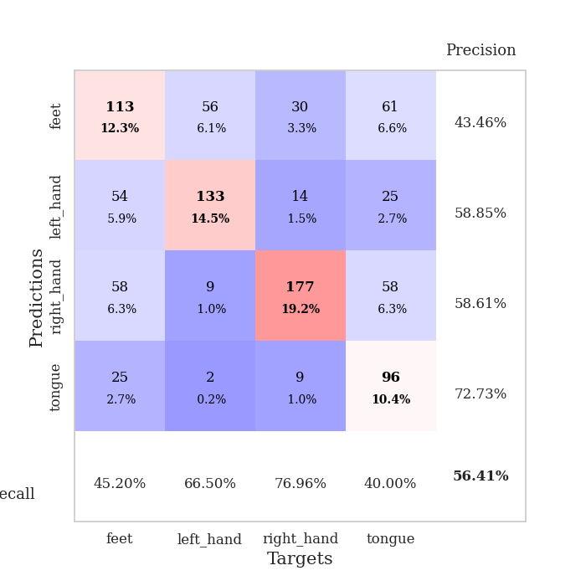
0.54347826087 | 1.0473915727 | 0.56896551724
0.5652173913 | 1.0169234457 | 0.61206896552
0.53260869565 | 1.2357429992 | 0.56896551724
0.55434782609 | 1.1625614633 | 0.60344827586
0.59782608696 | 1.0140959309 | 0.56034482759
0.41304347826 | 1.4921550906 | 0.45689655172
0.57608695652 | 1.1883108953 | 0.56034482759
0.51086956522 | 1.3583338623 | 0.47413793103

Mean,std Val accuracy is 0.532608695652174 , 0.06680829316878904 and mean, std test accuracy is 0.5499999999999999 , 0.06038586453592504

Sheet1
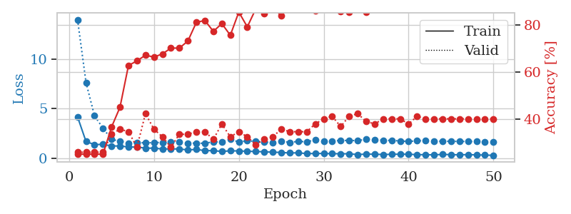
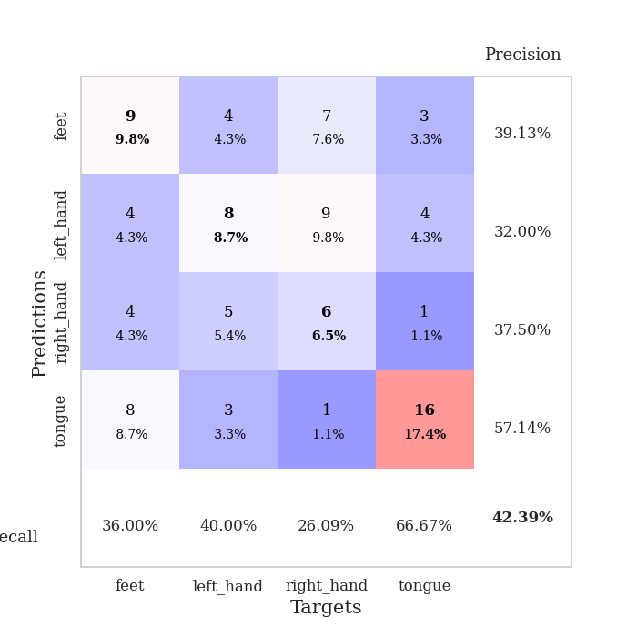
train_loss | valid_loss | train_accuracy | valid_accuracy | dur | train_misclass | valid_misclass
3.5805491986 | 3.6518440454 | 0.34239130435 | 0.30434782609 | 0.080902099609 | 34.239130435 | 30.434782609
1.6320895993 | 4.3868160248 | 0.2527173913 | 0.26086956522 | 0.079990386963 | 25.27173913 | 26.086956522
1.3842635673 | 2.7412997588 | 0.36141304348 | 0.3152173913 | 0.080168247223 | 36.141304348 | 31.52173913
1.274297735 | 1.6367088038 | 0.51630434783 | 0.33695652174 | 0.080098152161 | 51.630434783 | 33.695652174
1.1946144285 | 1.7603949049 | 0.53532608696 | 0.27173913043 | 0.080125331879 | 53.532608696 | 27.173913043
1.1300617068 | 1.633143285 | 0.57880434783 | 0.29347826087 | 0.080071926117 | 57.880434783 | 29.347826087
1.1170258885 | 1.5933609372 | 0.58695652174 | 0.3152173913 | 0.080042600632 | 58.695652174 | 31.52173913
1.0140537283 | 1.7157665958 | 0.55163043478 | 0.25 | 0.080051660538 | 55.163043478 | 25
0.92314611829 | 1.4751853787 | 0.67119565217 | 0.35869565217 | 0.080275058746 | 67.119565217 | 35.869565217
0.92430561522 | 1.4521037651 | 0.76086956522 | 0.32608695652 | 0.080430746078 | 76.086956522 | 32.608695652
0.76849266368 | 1.821172963 | 0.57065217391 | 0.36956521739 | 0.093102455139 | 57.065217391 | 36.956521739
0.81147118237 | 1.3285259838 | 0.8152173913 | 0.41304347826 | 0.082276105881 | 81.52173913 | 41.304347826
0.75393046374 | 1.5824824468 | 0.70380434783 | 0.38043478261 | 0.081696271896 | 70.380434783 | 38.043478261
0.68459537237 | 1.4546093267 | 0.71739130435 | 0.4347826087 | 0.080981969833 | 71.739130435 | 43.47826087
0.5787706116 | 1.6321624725 | 0.63586956522 | 0.45652173913 | 0.081300020218 | 63.586956522 | 45.652173913
0.56173079558 | 1.5546008037 | 0.72282608696 | 0.4347826087 | 0.081216096878 | 72.282608696 | 43.47826087
0.59237370025 | 1.5007406473 | 0.70108695652 | 0.46739130435 | 0.080958127975 | 70.108695652 | 46.739130435
0.52294735157 | 1.5223185342 | 0.71467391304 | 0.41304347826 | 0.081055164337 | 71.467391304 | 41.304347826
0.59226050131 | 1.3889723498 | 0.75 | 0.4347826087 | 0.08078956604 | 75 | 43.47826087
0.59155855231 | 1.3365456436 | 0.76630434783 | 0.44565217391 | 0.080953359604 | 76.630434783 | 44.565217391
0.5029633395 | 1.3748376369 | 0.74456521739 | 0.4347826087 | 0.080911874771 | 74.456521739 | 43.47826087
0.52011686434 | 1.2391420862 | 0.84510869565 | 0.52173913043 | 0.080851793289 | 84.510869565 | 52.173913043
0.44381848755 | 1.2949297584 | 0.83695652174 | 0.47826086957 | 0.081067562103 | 83.695652174 | 47.826086957
0.5165804576 | 1.3445295303 | 0.8097826087 | 0.47826086957 | 0.080960988998 | 80.97826087 | 47.826086957
0.3656787963 | 1.4433731774 | 0.80706521739 | 0.46739130435 | 0.081403493881 | 80.706521739 | 46.739130435
0.36288733748 | 1.4681924685 | 0.78804347826 | 0.47826086957 | 0.081098556519 | 78.804347826 | 47.826086957
0.35271243686 | 1.4941860023 | 0.77173913043 | 0.45652173913 | 0.080979824066 | 77.173913043 | 45.652173913
0.35662823689 | 1.4023328812 | 0.82065217391 | 0.47826086957 | 0.081129550934 | 82.065217391 | 47.826086957
0.41431832573 | 1.5368103359 | 0.76358695652 | 0.44565217391 | 0.081065416336 | 76.358695652 | 44.565217391
0.41321061422 | 1.5231439704 | 0.78532608696 | 0.48913043478 | 0.080847501755 | 78.532608696 | 48.913043478
0.37435587463 | 1.493407887 | 0.78804347826 | 0.5 | 0.081079959869 | 78.804347826 | 50
0.33476553015 | 1.5709630666 | 0.77717391304 | 0.47826086957 | 0.080867767334 | 77.717391304 | 47.826086957
0.32165824266 | 1.4099544183 | 0.82065217391 | 0.5 | 0.081169605255 | 82.065217391 | 50
0.29374448987 | 1.4867780934 | 0.82065217391 | 0.5 | 0.080898761749 | 82.065217391 | 50
0.27721342056 | 1.5303416148 | 0.80163043478 | 0.5 | 0.081111192703 | 80.163043478 | 50
0.2619813381 | 1.5477360746 | 0.80434782609 | 0.5 | 0.080890417099 | 80.434782609 | 50
0.26703173214 | 1.4485247602 | 0.82880434783 | 0.48913043478 | 0.081223249435 | 82.880434783 | 48.913043478
0.28408041564 | 1.5241709533 | 0.80163043478 | 0.52173913043 | 0.080825567245 | 80.163043478 | 52.173913043
0.31561257139 | 1.5090596365 | 0.81793478261 | 0.48913043478 | 0.080940246582 | 81.793478261 | 48.913043478
0.28787336434 | 1.5207384151 | 0.8152173913 | 0.47826086957 | 0.080946445465 | 81.52173913 | 47.826086957
0.2759780372 | 1.5055719666 | 0.83695652174 | 0.52173913043 | 0.080787181854 | 83.695652174 | 52.173913043
0.27628242484 | 1.5189223082 | 0.82336956522 | 0.51086956522 | 0.081193447113 | 82.336956522 | 51.086956522
0.25200566423 | 1.5277954288 | 0.82336956522 | 0.51086956522 | 0.081072807312 | 82.336956522 | 51.086956522
0.23229358961 | 1.5026091285 | 0.83423913043 | 0.5 | 0.081232309341 | 83.423913043 | 50
0.25145253814 | 1.4887618656 | 0.83967391304 | 0.48913043478 | 0.081449270248 | 83.967391304 | 48.913043478
0.21437646416 | 1.4950434954 | 0.83695652174 | 0.51086956522 | 0.080988407135 | 83.695652174 | 51.086956522
0.2920191058 | 1.4913098449 | 0.84782608696 | 0.5 | 0.080870866776 | 84.782608696 | 50
0.26313782354 | 1.4830750953 | 0.85326086957 | 0.5 | 0.080935239792 | 85.326086957 | 50
0.25681820512 | 1.4775716377 | 0.85597826087 | 0.5 | 0.08108830452 | 85.597826087 | 50
0.28163349369 | 1.4743252474 | 0.85869565217 | 0.5 | 0.081184864044 | 85.869565217 | 50

Best Val accuracy is 0.5217391304347826 and Best test accuracy is 0.5948275862068966
train_loss | valid_loss | train_accuracy | valid_accuracy | dur | train_misclass | valid_misclass
4.1622579512 | 13.978994991 | 0.2527173913 | 0.26086956522 | 0.089851617813 | 25.27173913 | 26.086956522
1.6654931877 | 7.622185562 | 0.2527173913 | 0.26086956522 | 0.086563587189 | 25.27173913 | 26.086956522
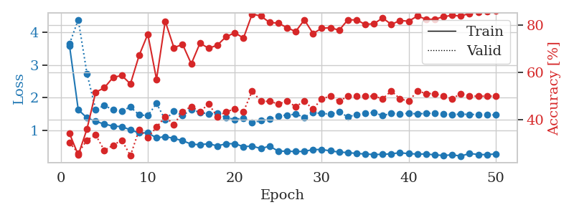
1.3583740307 | 4.2555822808 | 0.2527173913 | 0.26086956522 | 0.088044404984 | 25.27173913 | 26.086956522
1.3836956439 | 3.0186375017 | 0.2527173913 | 0.26086956522 | 0.086150884628 | 25.27173913 | 26.086956522
1.2219511426 | 1.8852586591 | 0.36684782609 | 0.33695652174 | 0.088641405106 | 36.684782609 | 33.695652174
1.2160489922 | 1.7017125669 | 0.45108695652 | 0.35869565217 | 0.086294174194 | 45.108695652 | 35.869565217
1.1192434637 | 1.4631906903 | 0.6277173913 | 0.34782608696 | 0.086350679398 | 62.77173913 | 34.782608696
1.1108122494 | 1.5682179254 | 0.64673913043 | 0.28260869565 | 0.086475372314 | 64.673913043 | 28.260869565
0.99873762157 | 1.5294548325 | 0.67119565217 | 0.42391304348 | 0.086560249329 | 67.119565217 | 42.391304348
0.99771186839 | 1.5632805669 | 0.66304347826 | 0.35869565217 | 0.0871052742 | 66.304347826 | 35.869565217
0.91450561907 | 1.5676795866 | 0.67663043478 | 0.32608695652 | 0.088578701019 | 67.663043478 | 32.608695652
0.92305923545 | 1.5933548938 | 0.70108695652 | 0.28260869565 | 0.088158845901 | 70.108695652 | 28.260869565
0.91762759115 | 1.6093724759 | 0.70108695652 | 0.33695652174 | 0.08627820015 | 70.108695652 | 33.695652174
0.81560385227 | 1.5013750273 | 0.73097826087 | 0.33695652174 | 0.086636304855 | 73.097826087 | 33.695652174
0.87399746802 | 1.5069510004 | 0.8097826087 | 0.34782608696 | 0.086367845535 | 80.97826087 | 34.782608696
0.74542459457 | 1.488423078 | 0.81793478261 | 0.34782608696 | 0.086746454239 | 81.793478261 | 34.782608696
0.74759829433 | 1.6401202471 | 0.77173913043 | 0.3152173913 | 0.089193582535 | 77.173913043 | 31.52173913
0.66286453475 | 1.6385625031 | 0.80434782609 | 0.38043478261 | 0.086328744888 | 80.434782609 | 38.043478261
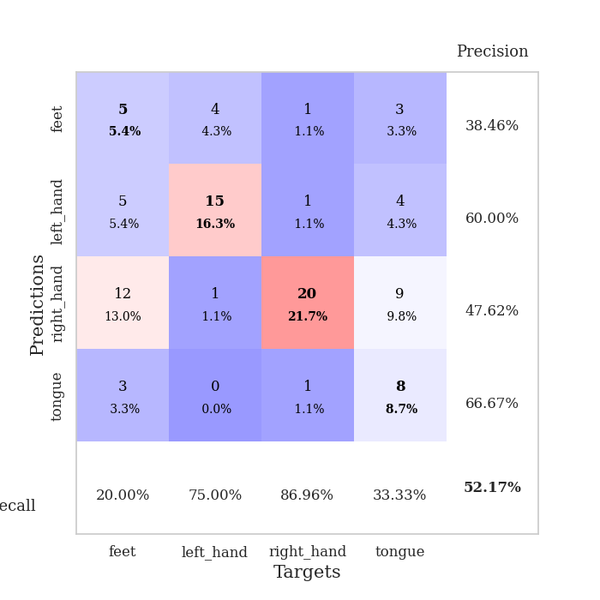
0.73021139269 | 1.8820688932 | 0.75543478261 | 0.32608695652 | 0.086432933807 | 75.543478261 | 32.608695652
0.71757681862 | 1.6265938438 | 0.85326086957 | 0.34782608696 | 0.085977315903 | 85.326086957 | 34.782608696
0.68247768542 | 1.7352402003 | 0.79076086957 | 0.32608695652 | 0.086381196976 | 79.076086957 | 32.608695652
0.65998973276 | 1.6807421446 | 0.86684782609 | 0.29347826087 | 0.08594918251 | 86.684782609 | 29.347826087
0.63192142611 | 1.6277823189 | 0.84782608696 | 0.3152173913 | 0.086021661758 | 84.782608696 | 31.52173913
0.58997807879 | 1.5754677057 | 0.875 | 0.32608695652 | 0.08619093895 | 87.5 | 32.608695652
0.56592472222 | 1.7016926019 | 0.83695652174 | 0.35869565217 | 0.086051940918 | 83.695652174 | 35.869565217
0.51014461077 | 1.5808622682 | 0.89402173913 | 0.34782608696 | 0.085821628571 | 89.402173913 | 34.782608696
0.53038557068 | 1.677466548 | 0.88315217391 | 0.34782608696 | 0.086226701736 | 88.315217391 | 34.782608696
0.44719274148 | 1.6431862738 | 0.89130434783 | 0.34782608696 | 0.08561205864 | 89.130434783 | 34.782608696
0.45759422753 | 1.829499027 | 0.85869565217 | 0.38043478261 | 0.085956811905 | 85.869565217 | 38.043478261
0.45976671771 | 1.6750936456 | 0.89402173913 | 0.40217391304 | 0.085827827454 | 89.402173913 | 40.217391304
0.43793811681 | 1.7223388319 | 0.89673913043 | 0.41304347826 | 0.085690975189 | 89.673913043 | 41.304347826
0.43483166461 | 1.7786235498 | 0.85597826087 | 0.36956521739 | 0.085815668106 | 85.597826087 | 36.956521739
0.42830066383 | 1.7746650862 | 0.85326086957 | 0.41304347826 | 0.085649490356 | 85.326086957 | 41.304347826
0.35352367357 | 1.760378962 | 0.86956521739 | 0.42391304348 | 0.086335420609 | 86.956521739 | 42.391304348
0.39912821223 | 1.8899494772 | 0.85326086957 | 0.39130434783 | 0.086036682129 | 85.326086957 | 39.130434783
0.3894364944 | 1.8708025062 | 0.86684782609 | 0.38043478261 | 0.085817098618 | 86.684782609 | 38.043478261
0.3552291011 | 1.8009243374 | 0.8777173913 | 0.40217391304 | 0.085815668106 | 87.77173913 | 40.217391304
0.37847118792 | 1.7757222341 | 0.88586956522 | 0.40217391304 | 0.085610151291 | 88.586956522 | 40.217391304
0.38976175111 | 1.7306284231 | 0.88858695652 | 0.40217391304 | 0.085767507553 | 88.858695652 | 40.217391304
0.38667209511 | 1.6679626911 | 0.90760869565 | 0.38043478261 | 0.085833787918 | 90.760869565 | 38.043478261
0.33897999059 | 1.7489822222 | 0.88586956522 | 0.41304347826 | 0.085943937302 | 88.586956522 | 41.304347826
0.33885848393 | 1.7341952635 | 0.89945652174 | 0.40217391304 | 0.091084957123 | 89.945652174 | 40.217391304
0.32268851088 | 1.7189831837 | 0.89945652174 | 0.40217391304 | 0.086639881134 | 89.945652174 | 40.217391304
0.36745285081 | 1.6933321797 | 0.91032608696 | 0.40217391304 | 0.085833072662 | 91.032608696 | 40.217391304
0.34407475655 | 1.6888531809 | 0.91032608696 | 0.40217391304 | 0.090411901474 | 91.032608696 | 40.217391304
0.32272359146 | 1.6793677962 | 0.91304347826 | 0.40217391304 | 0.10200762749 | 91.304347826 | 40.217391304
0.34680455146 | 1.6731536648 | 0.91576086957 | 0.40217391304 | 0.089848041534 | 91.576086957 | 40.217391304
0.31766497797 | 1.663728771 | 0.92119565217 | 0.40217391304 | 0.087441444397 | 92.119565217 | 40.217391304
0.30157424963 | 1.6599408699 | 0.92119565217 | 0.40217391304 | 0.085671663284 | 92.119565217 | 40.217391304
0.27411718569 | 1.6557054261 | 0.92119565217 | 0.40217391304 | 0.085881948471 | 92.119565217 | 40.217391304

Best Val accuracy is 0.42391304347826086 and Best test accuracy is 0.47413793103448276

Sheet2
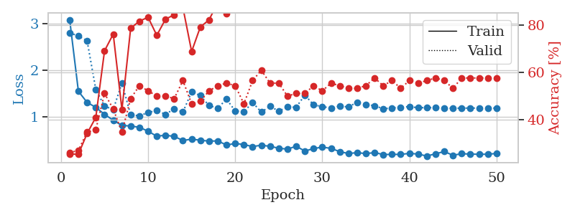
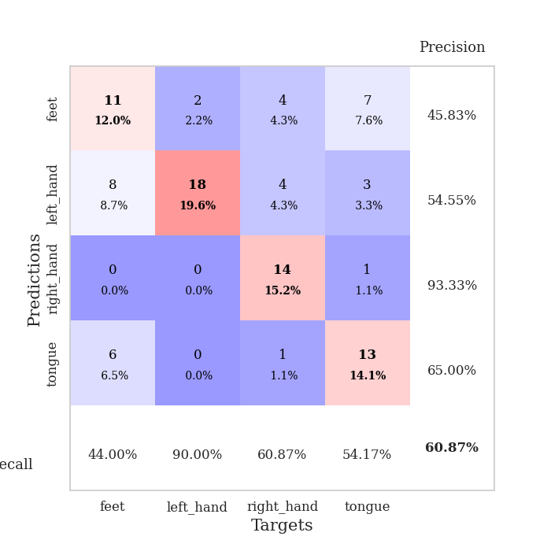
train_loss | valid_loss | train_accuracy | valid_accuracy | dur | train_misclass | valid_misclass
2.7041082693 | 4.0841345683 | 0.2527173913 | 0.26086956522 | 0.082205295563 | 25.27173913 | 26.086956522
1.4795029733 | 3.4689836917 | 0.2527173913 | 0.26086956522 | 0.080660820007 | 25.27173913 | 26.086956522
1.2892377662 | 1.9322904763 | 0.38586956522 | 0.33695652174 | 0.080658435822 | 38.586956522 | 33.695652174
1.066553629 | 1.8542829752 | 0.45652173913 | 0.33695652174 | 0.081315755844 | 45.652173913 | 33.695652174
1.0415157987 | 1.5305536312 | 0.60326086957 | 0.45652173913 | 0.080681324005 | 60.326086957 | 45.652173913
0.86156057793 | 1.2051669126 | 0.77173913043 | 0.53260869565 | 0.080494165421 | 77.173913043 | 53.260869565
0.81649063722 | 1.2135871597 | 0.75815217391 | 0.52173913043 | 0.080483436584 | 75.815217391 | 52.173913043
0.7180617659 | 1.1879822534 | 0.83423913043 | 0.57608695652 | 0.080609083176 | 83.423913043 | 57.608695652
0.6812006883 | 1.2294112366 | 0.78532608696 | 0.47826086957 | 0.082649469376 | 78.532608696 | 47.826086957
0.62567099799 | 1.2521305317 | 0.85326086957 | 0.57608695652 | 0.080904960632 | 85.326086957 | 57.608695652
0.62699152529 | 1.1528676178 | 0.89402173913 | 0.5652173913 | 0.081070184708 | 89.402173913 | 56.52173913
0.55896217279 | 1.153570157 | 0.89945652174 | 0.52173913043 | 0.080758571625 | 89.945652174 | 52.173913043
0.54632924951 | 1.1854673028 | 0.85869565217 | 0.53260869565 | 0.080889225006 | 85.869565217 | 53.260869565
0.54444547062 | 1.2451978792 | 0.80706521739 | 0.47826086957 | 0.080879211426 | 80.706521739 | 47.826086957
0.52243344615 | 1.2894287109 | 0.83423913043 | 0.5 | 0.08097910881 | 83.423913043 | 50
0.48398793651 | 1.1890275452 | 0.92934782609 | 0.54347826087 | 0.0809071064 | 92.934782609 | 54.347826087
0.45336108169 | 1.3325570174 | 0.8125 | 0.52173913043 | 0.081058740616 | 81.25 | 52.173913043
0.39853667695 | 1.309651507 | 0.89673913043 | 0.53260869565 | 0.080922365189 | 89.673913043 | 53.260869565
0.38123617904 | 1.2755923245 | 0.91576086957 | 0.5652173913 | 0.080904245377 | 91.576086957 | 56.52173913
0.40220590908 | 1.3977650145 | 0.85597826087 | 0.5 | 0.080737113953 | 85.597826087 | 50
0.39816819552 | 1.2039405185 | 0.91032608696 | 0.5652173913 | 0.08087348938 | 91.032608696 | 56.52173913
0.35731300906 | 1.1428814686 | 0.93206521739 | 0.59782608696 | 0.080968379974 | 93.206521739 | 59.782608696
0.39801458107 | 1.2217919205 | 0.88586956522 | 0.57608695652 | 0.081270933151 | 88.586956522 | 57.608695652
0.31439086924 | 1.3510878397 | 0.86956521739 | 0.51086956522 | 0.080897808075 | 86.956521739 | 51.086956522
0.33373761047 | 1.1758182567 | 0.92663043478 | 0.58695652174 | 0.081083774567 | 92.663043478 | 58.695652174
0.31910177579 | 1.0841543804 | 0.94565217391 | 0.53260869565 | 0.081065893173 | 94.565217391 | 53.260869565
0.32191728736 | 1.1742824394 | 0.91847826087 | 0.59782608696 | 0.080847024918 | 91.847826087 | 59.782608696
0.28496965345 | 1.2824605185 | 0.90489130435 | 0.55434782609 | 0.0809071064 | 90.489130435 | 55.434782609
0.26819830793 | 1.2466804541 | 0.95652173913 | 0.55434782609 | 0.080882549286 | 95.652173913 | 55.434782609
0.25273379392 | 1.2256176498 | 0.94565217391 | 0.58695652174 | 0.080788850784 | 94.565217391 | 58.695652174
0.2789553169 | 1.2244634214 | 0.93206521739 | 0.58695652174 | 0.080880880356 | 93.206521739 | 58.695652174
0.21203965661 | 1.269559798 | 0.9375 | 0.57608695652 | 0.080940246582 | 93.75 | 57.608695652
0.25090826368 | 1.3698211649 | 0.94293478261 | 0.5 | 0.080906152725 | 94.293478261 | 50
0.24724051907 | 1.2839794651 | 0.96195652174 | 0.5652173913 | 0.080883026123 | 96.195652174 | 56.52173913
0.23641255142 | 1.3802208434 | 0.92934782609 | 0.5652173913 | 0.080816030502 | 92.934782609 | 56.52173913
0.18766791017 | 1.3148864456 | 0.94293478261 | 0.53260869565 | 0.08096575737 | 94.293478261 | 53.260869565
0.17823344825 | 1.3549285298 | 0.9347826087 | 0.53260869565 | 0.080827713013 | 93.47826087 | 53.260869565
0.2165189217 | 1.3942124636 | 0.92663043478 | 0.54347826087 | 0.080990791321 | 92.663043478 | 54.347826087
0.20776206158 | 1.2922178403 | 0.9402173913 | 0.55434782609 | 0.081037521362 | 94.02173913 | 55.434782609
0.15442259318 | 1.2594394995 | 0.9402173913 | 0.59782608696 | 0.0808634758 | 94.02173913 | 59.782608696
0.18581626856 | 1.3078702481 | 0.92934782609 | 0.58695652174 | 0.080738544464 | 92.934782609 | 58.695652174
0.1782166491 | 1.3147317741 | 0.9347826087 | 0.5652173913 | 0.081088781357 | 93.47826087 | 56.52173913
0.18904679965 | 1.3128085784 | 0.9375 | 0.55434782609 | 0.080803632736 | 93.75 | 55.434782609
0.15263714933 | 1.3107328208 | 0.9402173913 | 0.55434782609 | 0.08104300499 | 94.02173913 | 55.434782609
0.17470676549 | 1.313856441 | 0.9402173913 | 0.57608695652 | 0.080924272537 | 94.02173913 | 57.608695652
0.19679306771 | 1.3323276665 | 0.9347826087 | 0.58695652174 | 0.080986499786 | 93.47826087 | 58.695652174
0.17901296727 | 1.3524552739 | 0.93206521739 | 0.58695652174 | 0.080812215805 | 93.206521739 | 58.695652174
0.15862095664 | 1.3504404659 | 0.93206521739 | 0.58695652174 | 0.080934762955 | 93.206521739 | 58.695652174
0.18769970115 | 1.350090032 | 0.93206521739 | 0.58695652174 | 0.084123849869 | 93.206521739 | 58.695652174
0.15695401346 | 1.3504072065 | 0.9347826087 | 0.58695652174 | 0.080053567886 | 93.47826087 | 58.695652174

Best Val accuracy is 0.5978260869565217 and Best test accuracy is 0.6551724137931034
train_loss | valid_loss | train_accuracy | valid_accuracy | dur | train_misclass | valid_misclass
3.0767735036 | 2.7979323242 | 0.25543478261 | 0.26086956522 | 0.093649864197 | 25.543478261 | 26.086956522
1.5504874872 | 2.7289599647 | 0.25543478261 | 0.27173913043 | 0.091902732849 | 25.543478261 | 27.173913043
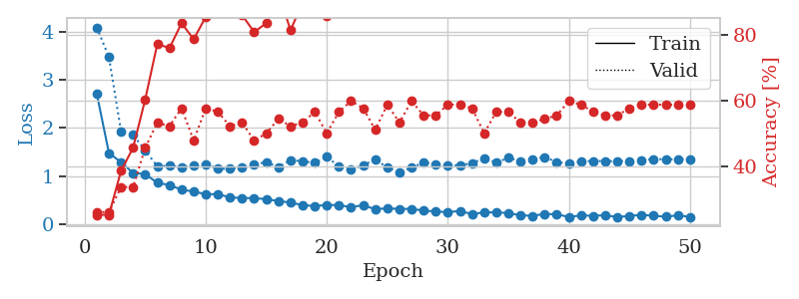
1.3125166375 | 2.6278980348 | 0.34239130435 | 0.34782608696 | 0.086622238159 | 34.239130435 | 34.782608696
1.2074253274 | 1.5906737006 | 0.41032608696 | 0.35869565217 | 0.086196899414 | 41.032608696 | 35.869565217
1.0584905199 | 1.2304721423 | 0.6902173913 | 0.51086956522 | 0.086054086685 | 69.02173913 | 51.086956522
0.93123045045 | 1.1632468856 | 0.76086956522 | 0.44565217391 | 0.088114976883 | 76.086956522 | 44.565217391
0.82124514554 | 1.7210961269 | 0.44293478261 | 0.34782608696 | 0.089289188385 | 44.293478261 | 34.782608696
0.80931828074 | 1.0466307739 | 0.78532608696 | 0.48913043478 | 0.088283777237 | 78.532608696 | 48.913043478
0.7819524226 | 1.0277453091 | 0.8152173913 | 0.54347826087 | 0.088600873947 | 81.52173913 | 54.347826087
0.69825901545 | 1.0954530809 | 0.83152173913 | 0.52173913043 | 0.089028596878 | 83.152173913 | 52.173913043
0.59036455725 | 1.143383078 | 0.75543478261 | 0.5 | 0.085726499557 | 75.543478261 | 50
0.61432221338 | 1.0561912215 | 0.82336956522 | 0.5 | 0.085925340652 | 82.336956522 | 50
0.58595013489 | 1.1798508323 | 0.84239130435 | 0.48913043478 | 0.085628986359 | 84.239130435 | 48.913043478
0.50142378781 | 1.1063679457 | 0.8722826087 | 0.5652173913 | 0.08621931076 | 87.22826087 | 56.52173913
0.52796465677 | 1.5375387772 | 0.6875 | 0.46739130435 | 0.085732221603 | 68.75 | 46.739130435
0.50666931466 | 1.4589261076 | 0.79076086957 | 0.47826086957 | 0.085716962814 | 79.076086957 | 47.826086957
0.48699010844 | 1.2454197096 | 0.82065217391 | 0.52173913043 | 0.085556745529 | 82.065217391 | 52.173913043
0.49132023493 | 1.188395298 | 0.89402173913 | 0.54347826087 | 0.085538625717 | 89.402173913 | 54.347826087
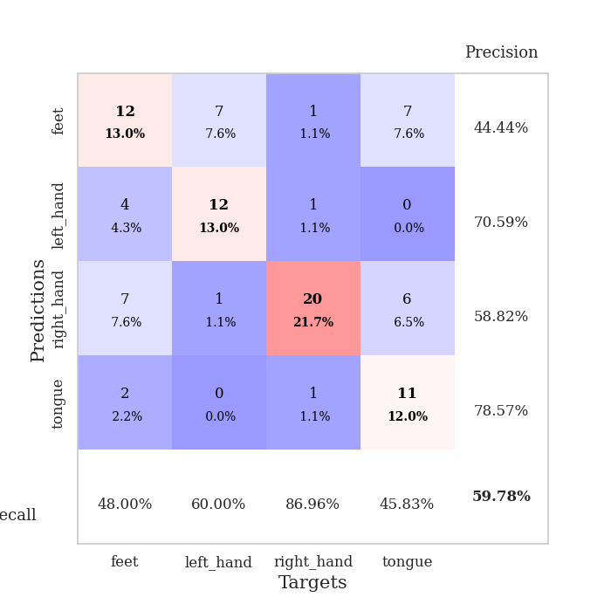
0.40345657779 | 1.3839723546 | 0.84782608696 | 0.55434782609 | 0.085850000381 | 84.782608696 | 55.434782609
0.43673034855 | 1.1309969166 | 0.95652173913 | 0.54347826087 | 0.085913896561 | 95.652173913 | 54.347826087
0.41393735487 | 1.1151065619 | 0.94565217391 | 0.46739130435 | 0.085729837418 | 94.565217391 | 46.739130435
0.37003240929 | 1.3111149073 | 0.92934782609 | 0.5652173913 | 0.085567951202 | 92.934782609 | 56.52173913
0.40078035386 | 1.1052592837 | 0.9402173913 | 0.60869565217 | 0.0856153965 | 94.02173913 | 60.869565217
0.37551235408 | 1.2314672107 | 0.9375 | 0.55434782609 | 0.086215019226 | 93.75 | 55.434782609
0.33635925048 | 1.1267722016 | 0.97282608696 | 0.55434782609 | 0.085779905319 | 97.282608696 | 55.434782609
0.31546581828 | 1.213700818 | 0.9402173913 | 0.5 | 0.085663557053 | 94.02173913 | 50
0.37819153265 | 1.2090403049 | 0.96467391304 | 0.51086956522 | 0.085728168488 | 96.467391304 | 51.086956522
0.27456839966 | 1.4702108632 | 0.90217391304 | 0.51086956522 | 0.085381746292 | 90.217391304 | 51.086956522
0.32860221779 | 1.2608678704 | 0.97010869565 | 0.54347826087 | 0.085964679718 | 97.010869565 | 54.347826087
0.35837581041 | 1.2218417914 | 0.96739130435 | 0.52173913043 | 0.085608482361 | 96.739130435 | 52.173913043
0.33256942811 | 1.1948921836 | 0.95652173913 | 0.55434782609 | 0.10060572624 | 95.652173913 | 55.434782609
0.26232342973 | 1.2329274364 | 0.96467391304 | 0.54347826087 | 0.095423221588 | 96.467391304 | 54.347826087
0.2222321487 | 1.2162059442 | 0.98097826087 | 0.53260869565 | 0.085791110992 | 98.097826087 | 53.260869565
0.24115217914 | 1.3163332887 | 0.95652173913 | 0.53260869565 | 0.08594918251 | 95.652173913 | 53.260869565
0.22110441975 | 1.2718569196 | 0.96739130435 | 0.54347826087 | 0.085588216782 | 96.739130435 | 54.347826087
0.24141963247 | 1.2413289132 | 0.97282608696 | 0.57608695652 | 0.086199998856 | 97.282608696 | 57.608695652
0.20141372409 | 1.1769518075 | 0.98369565217 | 0.54347826087 | 0.085739135742 | 98.369565217 | 54.347826087
0.20337550893 | 1.1934701412 | 0.98641304348 | 0.5652173913 | 0.085191488266 | 98.641304348 | 56.52173913
0.20386700721 | 1.2109407187 | 0.98641304348 | 0.53260869565 | 0.085002183914 | 98.641304348 | 53.260869565
0.2255427839 | 1.2231366064 | 0.97826086957 | 0.5652173913 | 0.085310220718 | 97.826086957 | 56.52173913
0.21095679474 | 1.1988958224 | 0.98369565217 | 0.55434782609 | 0.085815906525 | 98.369565217 | 55.434782609
0.16832405086 | 1.2020038522 | 0.98641304348 | 0.5652173913 | 0.085520505905 | 98.641304348 | 56.52173913
0.21681200745 | 1.1996540142 | 0.98913043478 | 0.57608695652 | 0.08603143692 | 98.913043478 | 57.608695652
0.26391456746 | 1.1938510459 | 0.98369565217 | 0.5652173913 | 0.085887908936 | 98.369565217 | 56.52173913
0.18513692251 | 1.1868699841 | 0.98641304348 | 0.53260869565 | 0.085398435593 | 98.641304348 | 53.260869565
0.21861530435 | 1.1913924373 | 0.98913043478 | 0.57608695652 | 0.089906215668 | 98.913043478 | 57.608695652
0.21031375278 | 1.1912795046 | 0.98913043478 | 0.57608695652 | 0.086472034454 | 98.913043478 | 57.608695652
0.20669213909 | 1.1930745633 | 0.98913043478 | 0.57608695652 | 0.085963010788 | 98.913043478 | 57.608695652
0.20743237274 | 1.1916546355 | 0.98913043478 | 0.57608695652 | 0.086109399796 | 98.913043478 | 57.608695652
0.22367054548 | 1.1913787904 | 0.98913043478 | 0.57608695652 | 0.086351633072 | 98.913043478 | 57.608695652

Best Val accuracy is 0.6086956521739131 and Best test accuracy is 0.6206896551724138

Sheet3
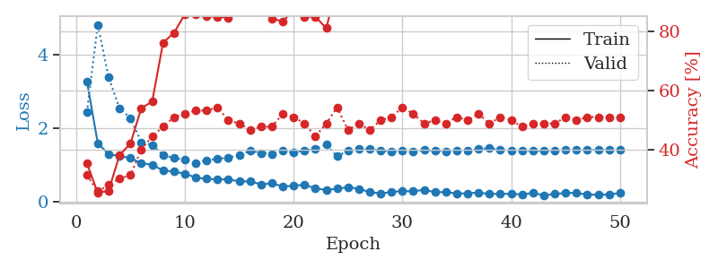
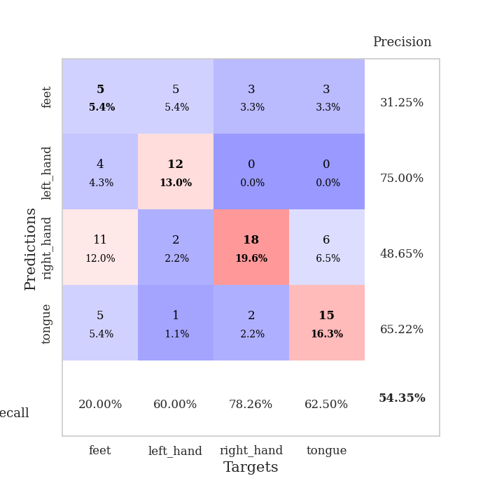
train_loss | valid_loss | train_accuracy | valid_accuracy | dur | train_misclass | valid_misclass
3.659684062 | 6.4663152902 | 0.2527173913 | 0.26086956522 | 0.082833766937 | 25.27173913 | 26.086956522
1.4347833784 | 4.5798833578 | 0.30434782609 | 0.29347826087 | 0.081304788589 | 30.434782609 | 29.347826087
1.1622217142 | 3.3146513027 | 0.30434782609 | 0.28260869565 | 0.081413984299 | 30.434782609 | 28.260869565
1.0802330271 | 1.7238491566 | 0.53260869565 | 0.40217391304 | 0.081241369247 | 53.260869565 | 40.217391304
0.9504248448 | 1.6735138012 | 0.46195652174 | 0.41304347826 | 0.081262350082 | 46.195652174 | 41.304347826
0.83702100878 | 1.2838514266 | 0.72554347826 | 0.5652173913 | 0.081416845322 | 72.554347826 | 56.52173913
0.75169487492 | 1.2258570635 | 0.73369565217 | 0.54347826087 | 0.081146717072 | 73.369565217 | 54.347826087
0.76061968052 | 1.3577173845 | 0.65760869565 | 0.52173913043 | 0.081088781357 | 65.760869565 | 52.173913043
0.70779609291 | 1.2031920241 | 0.78532608696 | 0.55434782609 | 0.080988883972 | 78.532608696 | 55.434782609
0.66570591408 | 1.2824694799 | 0.71195652174 | 0.53260869565 | 0.081079006195 | 71.195652174 | 53.260869565
0.64744159191 | 1.1513070671 | 0.8152173913 | 0.5 | 0.081333398819 | 81.52173913 | 50
0.59831196458 | 1.1547334168 | 0.86684782609 | 0.52173913043 | 0.081345796585 | 86.684782609 | 52.173913043
0.62014468209 | 0.99769943434 | 0.86684782609 | 0.59782608696 | 0.080880403519 | 86.684782609 | 59.782608696
0.52196276771 | 0.97138082722 | 0.90760869565 | 0.60869565217 | 0.081300973892 | 90.760869565 | 60.869565217
0.52281808076 | 0.98912110277 | 0.89945652174 | 0.57608695652 | 0.081263065338 | 89.945652174 | 57.608695652
0.46962679599 | 1.0425014289 | 0.88315217391 | 0.57608695652 | 0.081177473068 | 88.315217391 | 57.608695652
0.49157748469 | 1.1238077723 | 0.88586956522 | 0.57608695652 | 0.081430673599 | 88.586956522 | 57.608695652
0.49153667688 | 1.0896147801 | 0.88586956522 | 0.58695652174 | 0.081125497818 | 88.586956522 | 58.695652174
0.53942725451 | 1.0194336357 | 0.91576086957 | 0.59782608696 | 0.081277608871 | 91.576086957 | 59.782608696
0.41657875608 | 1.0265503422 | 0.93206521739 | 0.5652173913 | 0.0814909935 | 93.206521739 | 56.52173913
0.43383251131 | 1.0397088372 | 0.91032608696 | 0.5652173913 | 0.08109664917 | 91.032608696 | 56.52173913
0.41278890747 | 1.0365535539 | 0.90760869565 | 0.59782608696 | 0.080994129181 | 90.760869565 | 59.782608696
0.34330495609 | 1.0372675087 | 0.89130434783 | 0.58695652174 | 0.081368684769 | 89.130434783 | 58.695652174
0.4149769807 | 1.0819053961 | 0.9402173913 | 0.5652173913 | 0.081475496292 | 94.02173913 | 56.52173913
0.30879938894 | 1.1321052002 | 0.92934782609 | 0.55434782609 | 0.081232070923 | 92.934782609 | 55.434782609
0.34705490133 | 1.3076565836 | 0.85597826087 | 0.5 | 0.081480264664 | 85.597826087 | 50
0.28312903643 | 1.2157172172 | 0.90217391304 | 0.54347826087 | 0.081090927124 | 90.217391304 | 54.347826087
0.31026458238 | 1.2192892614 | 0.88043478261 | 0.57608695652 | 0.08336353302 | 88.043478261 | 57.608695652
0.30080088098 | 1.2322479953 | 0.95380434783 | 0.5652173913 | 0.081050157547 | 95.380434783 | 56.52173913
0.3132180348 | 1.1310788859 | 0.9347826087 | 0.58695652174 | 0.081042289734 | 93.47826087 | 58.695652174
0.25259855811 | 1.279835079 | 0.90489130435 | 0.52173913043 | 0.080917596817 | 90.489130435 | 52.173913043
0.27827252124 | 1.2357240863 | 0.92119565217 | 0.57608695652 | 0.080819129944 | 92.119565217 | 57.608695652
0.24214842916 | 1.19373632 | 0.92663043478 | 0.57608695652 | 0.0807056427 | 92.663043478 | 57.608695652
0.21718300328 | 1.1428022255 | 0.94836956522 | 0.59782608696 | 0.080721378326 | 94.836956522 | 59.782608696
0.25911030076 | 1.1787540653 | 0.9347826087 | 0.58695652174 | 0.080842256546 | 93.47826087 | 58.695652174
0.20197263554 | 1.1563218884 | 0.94836956522 | 0.57608695652 | 0.080847024918 | 94.836956522 | 57.608695652
0.23427431221 | 1.1592894482 | 0.9375 | 0.59782608696 | 0.080693006516 | 93.75 | 59.782608696
0.23075364174 | 1.125564399 | 0.95380434783 | 0.59782608696 | 0.080856800079 | 95.380434783 | 59.782608696
0.20797458688 | 1.0985132145 | 0.97282608696 | 0.59782608696 | 0.080811977386 | 97.282608696 | 59.782608696
0.2421394031 | 1.1126864449 | 0.96739130435 | 0.61956521739 | 0.080988168716 | 96.739130435 | 61.956521739
0.27593429257 | 1.112946899 | 0.96739130435 | 0.57608695652 | 0.08111000061 | 96.739130435 | 57.608695652
0.22311993753 | 1.1042287868 | 0.97554347826 | 0.59782608696 | 0.080804824829 | 97.554347826 | 59.782608696
0.2339948006 | 1.1035276263 | 0.97554347826 | 0.59782608696 | 0.080746650696 | 97.554347826 | 59.782608696
0.21446442742 | 1.096238271 | 0.97010869565 | 0.59782608696 | 0.081099271774 | 97.010869565 | 59.782608696
0.18564043729 | 1.0918690692 | 0.97010869565 | 0.59782608696 | 0.080930948257 | 97.010869565 | 59.782608696
0.21477903912 | 1.0843013007 | 0.97010869565 | 0.60869565217 | 0.080852746964 | 97.010869565 | 60.869565217
0.24059551404 | 1.0792574209 | 0.97010869565 | 0.60869565217 | 0.081163644791 | 97.010869565 | 60.869565217
0.16929865272 | 1.0816263997 | 0.97010869565 | 0.60869565217 | 0.080686807632 | 97.010869565 | 60.869565217
0.21144113771 | 1.0810976858 | 0.97010869565 | 0.60869565217 | 0.080976009369 | 97.010869565 | 60.869565217
0.19209791947 | 1.0806779369 | 0.97010869565 | 0.60869565217 | 0.080776453018 | 97.010869565 | 60.869565217

Best Val accuracy is 0.6195652173913043 and Best test accuracy is 0.6551724137931034
train_loss | valid_loss | train_accuracy | valid_accuracy | dur | train_misclass | valid_misclass
3.2746103121 | 2.4275084682 | 0.35597826087 | 0.3152173913 | 0.08716917038 | 35.597826087 | 31.52173913
1.5878098218 | 4.812103655 | 0.25543478261 | 0.26086956522 | 0.086070537567 | 25.543478261 | 26.086956522
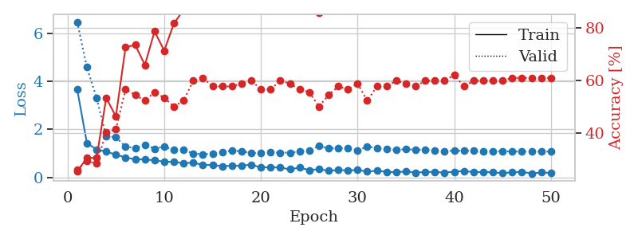
1.2855297664 | 3.3734069803 | 0.26358695652 | 0.28260869565 | 0.085546255112 | 26.358695652 | 28.260869565
1.2389390132 | 2.5339761558 | 0.38315217391 | 0.30434782609 | 0.085417509079 | 38.315217391 | 30.434782609
1.1799465055 | 2.265913585 | 0.42119565217 | 0.3152173913 | 0.085710525513 | 42.119565217 | 31.52173913
1.0468963307 | 1.614661196 | 0.54076086957 | 0.40217391304 | 0.085387945175 | 54.076086957 | 40.217391304
0.99344669736 | 1.5375455618 | 0.5625 | 0.44565217391 | 0.085614442825 | 56.25 | 44.565217391
0.84564459972 | 1.269963845 | 0.76086956522 | 0.47826086957 | 0.085251092911 | 76.086956522 | 47.826086957
0.81105868972 | 1.178329955 | 0.79347826087 | 0.51086956522 | 0.085299968719 | 79.347826087 | 51.086956522
0.75706542834 | 1.1404495136 | 0.85597826087 | 0.52173913043 | 0.085784673691 | 85.597826087 | 52.173913043
0.65307585312 | 1.0473915727 | 0.85597826087 | 0.53260869565 | 0.085259914398 | 85.597826087 | 53.260869565
0.61503184619 | 1.124481507 | 0.85054347826 | 0.53260869565 | 0.089756727219 | 85.054347826 | 53.260869565
0.60385792152 | 1.1556137671 | 0.84782608696 | 0.54347826087 | 0.087376117706 | 84.782608696 | 54.347826087
0.60092192046 | 1.1981301023 | 0.84510869565 | 0.5 | 0.091082334518 | 84.510869565 | 50
0.54649941623 | 1.2529787033 | 0.88586956522 | 0.48913043478 | 0.086675643921 | 88.586956522 | 48.913043478
0.54631176591 | 1.3829338913 | 0.8722826087 | 0.46739130435 | 0.086019039154 | 87.22826087 | 46.739130435
0.4672556079 | 1.3220885526 | 0.86956521739 | 0.47826086957 | 0.085823297501 | 86.956521739 | 47.826086957
0.49417203146 | 1.2930524246 | 0.84239130435 | 0.47826086957 | 0.08563709259 | 84.239130435 | 47.826086957
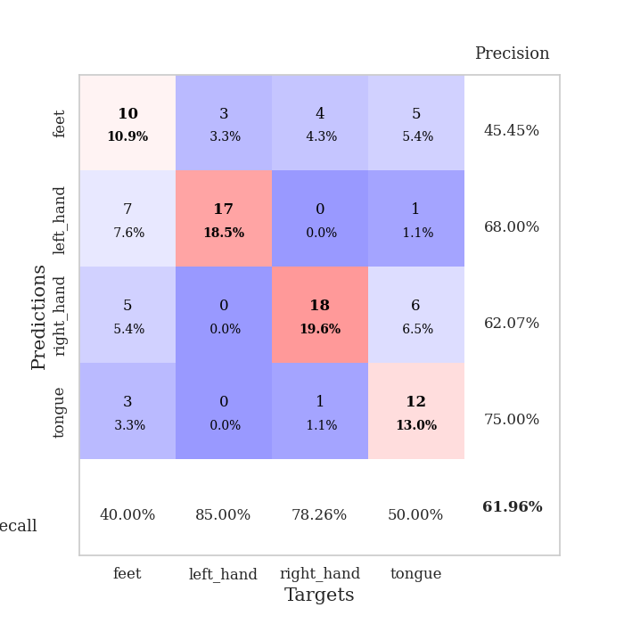
0.41103299221 | 1.37324781 | 0.83152173913 | 0.52173913043 | 0.085896968842 | 83.152173913 | 52.173913043
0.42529703482 | 1.3290037072 | 0.8722826087 | 0.51086956522 | 0.085724115372 | 87.22826087 | 51.086956522
0.45911968791 | 1.3906244351 | 0.84782608696 | 0.48913043478 | 0.08747959137 | 84.782608696 | 48.913043478
0.35400655671 | 1.4230233794 | 0.84782608696 | 0.44565217391 | 0.084095478058 | 84.782608696 | 44.565217391
0.3145445135 | 1.5478913888 | 0.8097826087 | 0.48913043478 | 0.084122419357 | 80.97826087 | 48.913043478
0.34720597481 | 1.2269143384 | 0.95108695652 | 0.54347826087 | 0.084329128265 | 95.108695652 | 54.347826087
0.38884615898 | 1.3865648508 | 0.90760869565 | 0.46739130435 | 0.084684371948 | 90.760869565 | 46.739130435
0.34547131411 | 1.4402873205 | 0.91304347826 | 0.48913043478 | 0.084993362427 | 91.304347826 | 48.913043478
0.25493618911 | 1.4248064083 | 0.93206521739 | 0.46739130435 | 0.084773302078 | 93.206521739 | 46.739130435
0.21678618083 | 1.3854093811 | 0.92119565217 | 0.5 | 0.084951400757 | 92.119565217 | 50
0.25776519821 | 1.3614253376 | 0.94565217391 | 0.51086956522 | 0.085133314133 | 94.565217391 | 51.086956522
0.28490698192 | 1.3837871396 | 0.95652173913 | 0.54347826087 | 0.085574388504 | 95.652173913 | 54.347826087
0.27369055217 | 1.3643287783 | 0.95380434783 | 0.52173913043 | 0.08559513092 | 95.380434783 | 52.173913043
0.31938668308 | 1.3962889495 | 0.94565217391 | 0.48913043478 | 0.086462974548 | 94.565217391 | 48.913043478
0.25043180553 | 1.3843879855 | 0.94565217391 | 0.5 | 0.08408665657 | 94.565217391 | 50
0.2572921163 | 1.3705735984 | 0.95380434783 | 0.48913043478 | 0.084146738052 | 95.380434783 | 48.913043478
0.21554945199 | 1.3827884871 | 0.95923913043 | 0.51086956522 | 0.084325551987 | 95.923913043 | 51.086956522
0.22271340697 | 1.3742625921 | 0.96195652174 | 0.5 | 0.084774255753 | 96.195652174 | 50
0.24387765773 | 1.427555815 | 0.94836956522 | 0.52173913043 | 0.084961891174 | 94.836956522 | 52.173913043
0.20361404558 | 1.4482948676 | 0.9402173913 | 0.48913043478 | 0.084211587906 | 94.02173913 | 48.913043478
0.20938461922 | 1.4040151783 | 0.96739130435 | 0.51086956522 | 0.084007501602 | 96.739130435 | 51.086956522
0.20484733501 | 1.3821966544 | 0.97826086957 | 0.5 | 0.084237098694 | 97.826086957 | 50
0.19166617679 | 1.3869850739 | 0.97554347826 | 0.47826086957 | 0.083917617798 | 97.554347826 | 47.826086957
0.23153711507 | 1.3778191131 | 0.97554347826 | 0.48913043478 | 0.084632396698 | 97.554347826 | 48.913043478
0.16958368586 | 1.3800481195 | 0.97010869565 | 0.48913043478 | 0.084347724915 | 97.010869565 | 48.913043478
0.20085165099 | 1.3844985133 | 0.96739130435 | 0.48913043478 | 0.086125612259 | 96.739130435 | 48.913043478
0.2344214913 | 1.3997128735 | 0.96739130435 | 0.51086956522 | 0.084676980972 | 96.739130435 | 51.086956522
0.23226424987 | 1.4003559869 | 0.96739130435 | 0.5 | 0.084463834763 | 96.739130435 | 50
0.18838514404 | 1.4029003278 | 0.96467391304 | 0.51086956522 | 0.085156917572 | 96.467391304 | 51.086956522
0.18278692436 | 1.4020812149 | 0.96739130435 | 0.51086956522 | 0.084835529327 | 96.739130435 | 51.086956522
0.19136880257 | 1.4036678646 | 0.96739130435 | 0.51086956522 | 0.085516214371 | 96.739130435 | 51.086956522
0.23084975245 | 1.402815088 | 0.96739130435 | 0.51086956522 | 0.0847260952 | 96.739130435 | 51.086956522

Best Val accuracy is 0.5434782608695652 and Best test accuracy is 0.5689655172413793

Sheet4
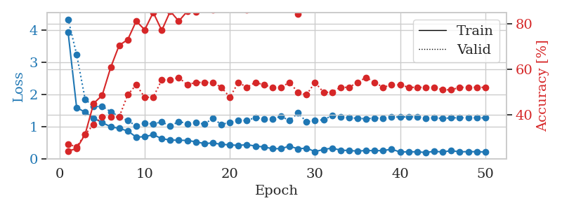
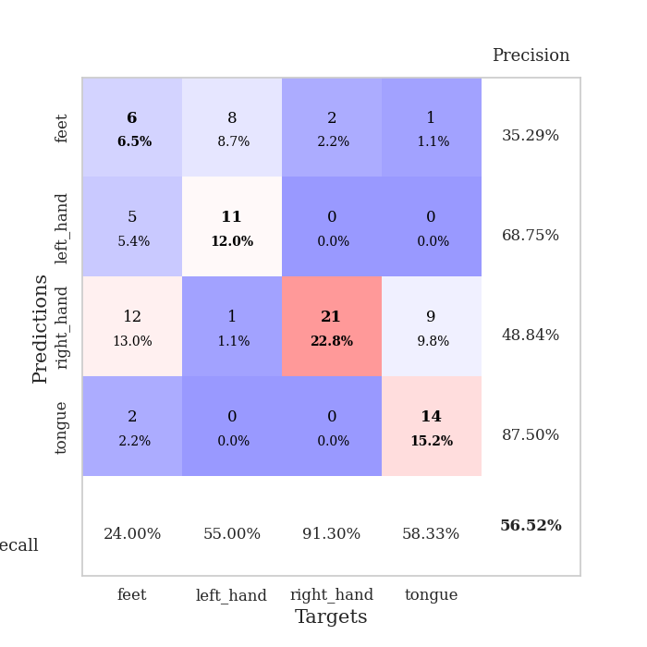
train_loss | valid_loss | train_accuracy | valid_accuracy | dur | train_misclass | valid_misclass
3.5755670226 | 3.9657726702 | 0.25543478261 | 0.21739130435 | 0.08221077919 | 25.543478261 | 21.739130435
1.8042427923 | 2.8659728195 | 0.25815217391 | 0.21739130435 | 0.080460309982 | 25.815217391 | 21.739130435
1.491457908 | 1.9840542285 | 0.36141304348 | 0.3152173913 | 0.080125331879 | 36.141304348 | 31.52173913
1.2303747716 | 1.595235016 | 0.48097826087 | 0.34782608696 | 0.080671787262 | 48.097826087 | 34.782608696
1.0841715284 | 1.4190125051 | 0.63043478261 | 0.39130434783 | 0.080621957779 | 63.043478261 | 39.130434783
0.95616996807 | 1.4892319493 | 0.67934782609 | 0.38043478261 | 0.080468893051 | 67.934782609 | 38.043478261
0.90160677744 | 1.3879966943 | 0.73641304348 | 0.40217391304 | 0.080682754517 | 73.641304348 | 40.217391304
0.85648812548 | 1.3840273567 | 0.77989130435 | 0.42391304348 | 0.080887794495 | 77.989130435 | 42.391304348
0.77355112459 | 1.4513704829 | 0.74456521739 | 0.42391304348 | 0.080701112747 | 74.456521739 | 42.391304348
0.71464332679 | 1.4070557045 | 0.82336956522 | 0.47826086957 | 0.080546855927 | 82.336956522 | 47.826086957
0.64687163286 | 1.4199826977 | 0.80434782609 | 0.41304347826 | 0.080629348755 | 80.434782609 | 41.304347826
0.60200889214 | 1.3992736236 | 0.82608695652 | 0.41304347826 | 0.080353021622 | 82.608695652 | 41.304347826
0.65116219806 | 1.2980809471 | 0.86413043478 | 0.48913043478 | 0.080504179001 | 86.413043478 | 48.913043478
0.520321697 | 1.3578389468 | 0.89402173913 | 0.45652173913 | 0.080629348755 | 89.402173913 | 45.652173913
0.53909707717 | 1.5990170966 | 0.85597826087 | 0.41304347826 | 0.080409288406 | 85.597826087 | 41.304347826
0.51166280456 | 1.3340611199 | 0.88043478261 | 0.47826086957 | 0.080327510834 | 88.043478261 | 47.826086957
0.47543932433 | 1.44666268 | 0.85869565217 | 0.44565217391 | 0.080403327942 | 85.869565217 | 44.565217391
0.39100336219 | 1.4310957245 | 0.83695652174 | 0.4347826087 | 0.080896377563 | 83.695652174 | 43.47826087
0.43225357325 | 1.558393043 | 0.83423913043 | 0.42391304348 | 0.080419540405 | 83.423913043 | 42.391304348
0.40882996049 | 1.416557255 | 0.89402173913 | 0.42391304348 | 0.080655813217 | 89.402173913 | 42.391304348
0.38962346413 | 1.4344479468 | 0.89945652174 | 0.44565217391 | 0.080532312393 | 89.945652174 | 44.565217391
0.40361482747 | 1.3618887041 | 0.9347826087 | 0.46739130435 | 0.080651521683 | 93.47826087 | 46.739130435
0.34231419764 | 1.4105897313 | 0.91304347826 | 0.47826086957 | 0.080490350723 | 91.304347826 | 47.826086957
0.33344987942 | 1.5869260715 | 0.85597826087 | 0.42391304348 | 0.080656766891 | 85.597826087 | 42.391304348
0.29039496054 | 1.530351136 | 0.89673913043 | 0.40217391304 | 0.080630779266 | 89.673913043 | 40.217391304
0.30266565991 | 1.4163055368 | 0.94293478261 | 0.5 | 0.080698490143 | 94.293478261 | 50
0.32657528928 | 1.379392712 | 0.94293478261 | 0.47826086957 | 0.080679893494 | 94.293478261 | 47.826086957
0.26737080806 | 1.5165745797 | 0.91576086957 | 0.4347826087 | 0.0806183815 | 91.576086957 | 43.47826087
0.28857664926 | 1.483686302 | 0.9375 | 0.46739130435 | 0.080395698547 | 93.75 | 46.739130435
0.25433240896 | 1.442188662 | 0.97554347826 | 0.47826086957 | 0.080434799194 | 97.554347826 | 47.826086957
0.26397691052 | 1.4275066801 | 0.96195652174 | 0.45652173913 | 0.080323457718 | 96.195652174 | 45.652173913
0.22898256406 | 1.4840161023 | 0.94836956522 | 0.45652173913 | 0.080711364746 | 94.836956522 | 45.652173913
0.2456713795 | 1.4314883014 | 0.95923913043 | 0.45652173913 | 0.080588340759 | 95.923913043 | 45.652173913
0.22822768257 | 1.4293345939 | 0.95923913043 | 0.45652173913 | 0.080626726151 | 95.923913043 | 45.652173913
0.26415755049 | 1.5260824069 | 0.9347826087 | 0.45652173913 | 0.080489397049 | 93.47826087 | 45.652173913
0.20737103697 | 1.4436320688 | 0.96195652174 | 0.47826086957 | 0.080458402634 | 96.195652174 | 47.826086957
0.21679916751 | 1.386895413 | 0.96739130435 | 0.48913043478 | 0.080526351929 | 96.739130435 | 48.913043478
0.18876481186 | 1.4730451988 | 0.9402173913 | 0.47826086957 | 0.080595493317 | 94.02173913 | 47.826086957
0.22711287682 | 1.4356368469 | 0.94565217391 | 0.47826086957 | 0.085257053375 | 94.565217391 | 47.826086957
0.22720092308 | 1.4624707025 | 0.94565217391 | 0.45652173913 | 0.082982540131 | 94.565217391 | 45.652173913
0.21876525749 | 1.4425290823 | 0.94836956522 | 0.47826086957 | 0.080916166306 | 94.836956522 | 47.826086957
0.18157963827 | 1.4398810967 | 0.95380434783 | 0.48913043478 | 0.08097076416 | 95.380434783 | 48.913043478
0.18556225105 | 1.473196916 | 0.94293478261 | 0.48913043478 | 0.080748558044 | 94.293478261 | 48.913043478
0.19097305389 | 1.4721074934 | 0.94293478261 | 0.48913043478 | 0.080801486969 | 94.293478261 | 48.913043478
0.19905994662 | 1.4631686729 | 0.94565217391 | 0.47826086957 | 0.080793857574 | 94.565217391 | 47.826086957
0.24144358609 | 1.4665317535 | 0.94565217391 | 0.46739130435 | 0.081162214279 | 94.565217391 | 46.739130435
0.19121555822 | 1.4643147562 | 0.94836956522 | 0.46739130435 | 0.081052780151 | 94.836956522 | 46.739130435
0.21868910268 | 1.4604149124 | 0.95108695652 | 0.47826086957 | 0.08090877533 | 95.108695652 | 47.826086957
0.25333745308 | 1.4591280948 | 0.95380434783 | 0.47826086957 | 0.080856800079 | 95.380434783 | 47.826086957
0.1669883064 | 1.4564794354 | 0.95380434783 | 0.47826086957 | 0.081101894379 | 95.380434783 | 47.826086957

Best Val accuracy is 0.5 and Best test accuracy is 0.5775862068965517
train_loss | valid_loss | train_accuracy | valid_accuracy | dur | train_misclass | valid_misclass
3.9288595967 | 4.3341304738 | 0.24184782609 | 0.27173913043 | 0.087192296982 | 24.184782609 | 27.173913043
1.5962281434 | 3.2432607879 | 0.2527173913 | 0.26086956522 | 0.086125850677 | 25.27173913 | 26.086956522
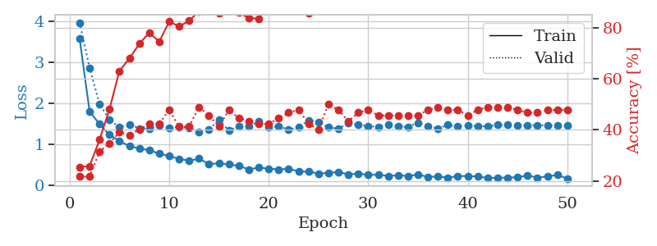
1.4519153574 | 1.8545765825 | 0.3152173913 | 0.3152173913 | 0.085053443909 | 31.52173913 | 31.52173913
1.2712374796 | 1.6217474108 | 0.45108695652 | 0.35869565217 | 0.084841489792 | 45.108695652 | 35.869565217
1.1267224136 | 1.6362718862 | 0.48641304348 | 0.39130434783 | 0.084932088852 | 48.641304348 | 39.130434783
1.0028531577 | 1.4672241988 | 0.60869565217 | 0.39130434783 | 0.084565639496 | 60.869565217 | 39.130434783
0.94800485735 | 1.3142447316 | 0.70652173913 | 0.39130434783 | 0.085434675217 | 70.652173913 | 39.130434783
0.87194118811 | 1.1913464588 | 0.73097826087 | 0.48913043478 | 0.084802627563 | 73.097826087 | 48.913043478
0.67915433127 | 1.0259179758 | 0.8125 | 0.53260869565 | 0.085198402405 | 81.25 | 53.260869565
0.6926157034 | 1.1101919698 | 0.77445652174 | 0.47826086957 | 0.084531545639 | 77.445652174 | 47.826086957
0.754699685 | 1.0872246027 | 0.85054347826 | 0.47826086957 | 0.084646224976 | 85.054347826 | 47.826086957
0.63156628933 | 1.153664195 | 0.77173913043 | 0.55434782609 | 0.088143348694 | 77.173913043 | 55.434782609
0.58917302282 | 1.0169234457 | 0.85597826087 | 0.55434782609 | 0.085285186768 | 85.597826087 | 55.434782609
0.58291577645 | 1.1638532333 | 0.8125 | 0.5652173913 | 0.086513519287 | 81.25 | 56.52173913
0.57598854925 | 1.0970901847 | 0.85597826087 | 0.53260869565 | 0.084774971008 | 85.597826087 | 53.260869565
0.53434267251 | 1.1227309937 | 0.85326086957 | 0.54347826087 | 0.084688901901 | 85.326086957 | 54.347826087
0.47917352098 | 1.0848914359 | 0.90217391304 | 0.54347826087 | 0.084601640701 | 90.217391304 | 54.347826087
0.49970687019 | 1.2550625075 | 0.86141304348 | 0.54347826087 | 0.084315061569 | 86.141304348 | 54.347826087
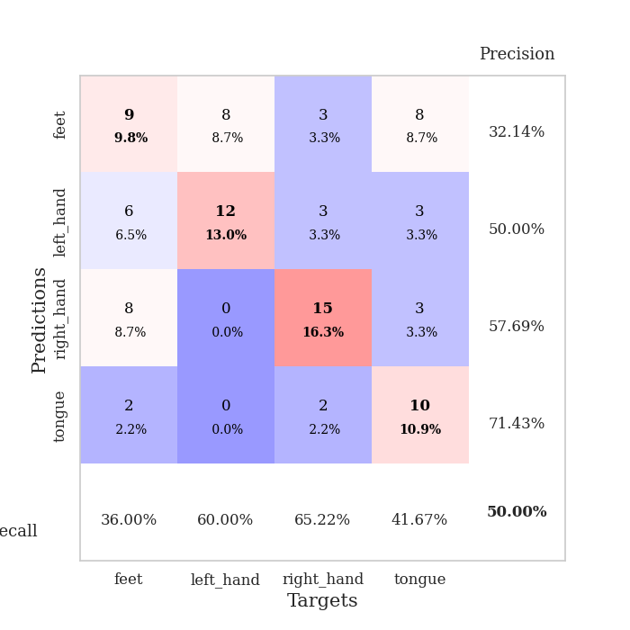
0.45303745049 | 1.0718491077 | 0.89402173913 | 0.52173913043 | 0.084681749344 | 89.402173913 | 52.173913043
0.44012384117 | 1.1366851822 | 0.89130434783 | 0.47826086957 | 0.08481669426 | 89.130434783 | 47.826086957
0.42152218715 | 1.1962426538 | 0.8722826087 | 0.54347826087 | 0.084439754486 | 87.22826087 | 54.347826087
0.44658072811 | 1.1900629894 | 0.86141304348 | 0.52173913043 | 0.084540605545 | 86.141304348 | 52.173913043
0.40121918204 | 1.2885306555 | 0.8777173913 | 0.54347826087 | 0.084681749344 | 87.77173913 | 54.347826087
0.37466428137 | 1.2406358563 | 0.89130434783 | 0.53260869565 | 0.084419488907 | 89.130434783 | 53.260869565
0.32021530993 | 1.2464290443 | 0.875 | 0.52173913043 | 0.083826541901 | 87.5 | 52.173913043
0.32146595775 | 1.31894561 | 0.875 | 0.52173913043 | 0.084333181381 | 87.5 | 52.173913043
0.39900154588 | 1.1969302271 | 0.91304347826 | 0.54347826087 | 0.085184335709 | 91.304347826 | 54.347826087
0.31642139444 | 1.4257645348 | 0.84510869565 | 0.5 | 0.085316419601 | 84.510869565 | 50
0.33906156764 | 1.154808345 | 0.94836956522 | 0.48913043478 | 0.085736751556 | 94.836956522 | 48.913043478
0.22907420734 | 1.2056965206 | 0.89945652174 | 0.54347826087 | 0.085379838943 | 89.945652174 | 54.347826087
0.2962979271 | 1.211562167 | 0.93206521739 | 0.5 | 0.085322618484 | 93.206521739 | 50
0.3387685146 | 1.3514330698 | 0.86956521739 | 0.5 | 0.087263345718 | 86.956521739 | 50
0.27378050206 | 1.2953212935 | 0.89673913043 | 0.52173913043 | 0.084758043289 | 89.673913043 | 52.173913043
0.26406145517 | 1.2834606793 | 0.91032608696 | 0.52173913043 | 0.084537029266 | 91.032608696 | 52.173913043
0.24563439968 | 1.2607115092 | 0.90489130435 | 0.54347826087 | 0.085741758347 | 90.489130435 | 54.347826087
0.26437405821 | 1.2497211228 | 0.90760869565 | 0.5652173913 | 0.086524248123 | 90.760869565 | 56.52173913
0.25804896556 | 1.2691063725 | 0.88858695652 | 0.54347826087 | 0.085908889771 | 88.858695652 | 54.347826087
0.26116384112 | 1.2681427313 | 0.88315217391 | 0.52173913043 | 0.084533214569 | 88.315217391 | 52.173913043
0.3045080207 | 1.312608185 | 0.89130434783 | 0.53260869565 | 0.083743572235 | 89.130434783 | 53.260869565
0.21611254533 | 1.2986832028 | 0.89673913043 | 0.53260869565 | 0.083687782288 | 89.673913043 | 53.260869565
0.22547498183 | 1.3114889394 | 0.88858695652 | 0.52173913043 | 0.084239006042 | 88.858695652 | 52.173913043
0.22170664597 | 1.3062493646 | 0.90760869565 | 0.52173913043 | 0.084603071213 | 90.760869565 | 52.173913043
0.20444868132 | 1.2700980383 | 0.90760869565 | 0.52173913043 | 0.084649085999 | 90.760869565 | 52.173913043
0.23664928454 | 1.2743074427 | 0.90760869565 | 0.52173913043 | 0.084403276443 | 90.760869565 | 52.173913043
0.21946753076 | 1.2608920491 | 0.91032608696 | 0.51086956522 | 0.08452296257 | 91.032608696 | 51.086956522
0.25854685838 | 1.2754381377 | 0.89945652174 | 0.51086956522 | 0.084619283676 | 89.945652174 | 51.086956522
0.22244246822 | 1.2804773579 | 0.90217391304 | 0.52173913043 | 0.08482336998 | 90.217391304 | 52.173913043
0.22947582408 | 1.2797361975 | 0.90760869565 | 0.52173913043 | 0.084457397461 | 90.760869565 | 52.173913043
0.22615182481 | 1.2780039466 | 0.90760869565 | 0.52173913043 | 0.08509683609 | 90.760869565 | 52.173913043
0.21703656666 | 1.2752865864 | 0.90760869565 | 0.52173913043 | 0.086380958557 | 90.760869565 | 52.173913043

Best Val accuracy is 0.5652173913043478 and Best test accuracy is 0.6120689655172413

Sheet5
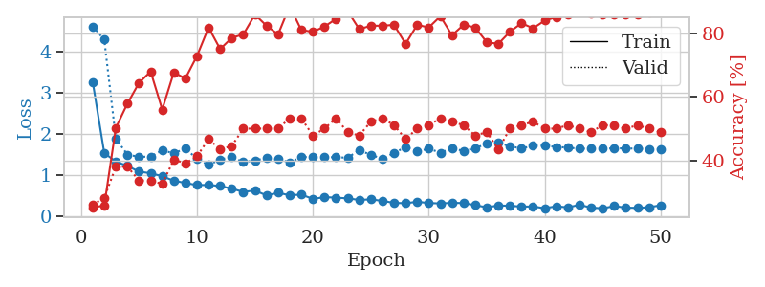
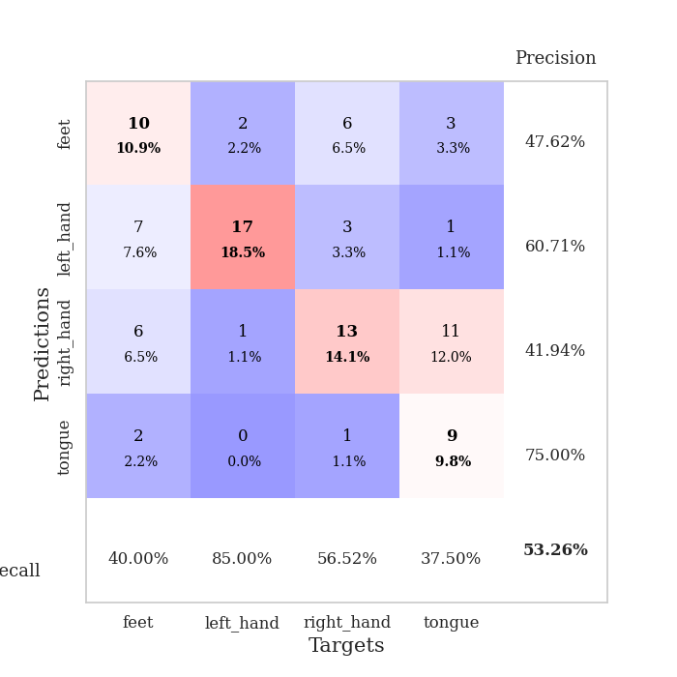
train_loss | valid_loss | train_accuracy | valid_accuracy | dur | train_misclass | valid_misclass
4.5051120986 | 7.0654124177 | 0.26902173913 | 0.27173913043 | 0.080681800842 | 26.902173913 | 27.173913043
1.5701873924 | 3.8681101488 | 0.27173913043 | 0.29347826087 | 0.079543352127 | 27.173913043 | 29.347826087
1.3397612598 | 2.194754699 | 0.45108695652 | 0.27173913043 | 0.079711914062 | 45.108695652 | 27.173913043
1.1926773009 | 2.1835364673 | 0.42934782609 | 0.29347826087 | 0.079842805862 | 42.934782609 | 29.347826087
1.1362699296 | 1.4915242817 | 0.67119565217 | 0.38043478261 | 0.079617023468 | 67.119565217 | 38.043478261
0.99946584391 | 1.7064410344 | 0.625 | 0.41304347826 | 0.079696178436 | 62.5 | 41.304347826
0.91746568291 | 1.5575420882 | 0.77989130435 | 0.41304347826 | 0.079828739166 | 77.989130435 | 41.304347826
0.79740243373 | 1.6102954875 | 0.71739130435 | 0.40217391304 | 0.079540252686 | 71.739130435 | 40.217391304
0.81726049211 | 1.2454692436 | 0.76358695652 | 0.48913043478 | 0.08038687706 | 76.358695652 | 48.913043478
0.67435300998 | 1.3883042491 | 0.77717391304 | 0.46739130435 | 0.080156803131 | 77.717391304 | 46.739130435
0.61971577613 | 1.2376026252 | 0.79347826087 | 0.47826086957 | 0.080082654953 | 79.347826087 | 47.826086957
0.57082133837 | 1.6156814617 | 0.65489130435 | 0.51086956522 | 0.082260847092 | 65.489130435 | 51.086956522
0.5498331552 | 1.2455665314 | 0.83423913043 | 0.54347826087 | 0.081833839417 | 83.423913043 | 54.347826087
0.56526906983 | 1.1810175336 | 0.82336956522 | 0.55434782609 | 0.081484794617 | 82.336956522 | 55.434782609
0.54823564187 | 1.0899830927 | 0.8125 | 0.48913043478 | 0.080938100815 | 81.25 | 48.913043478
0.49238054649 | 1.4684139568 | 0.70652173913 | 0.41304347826 | 0.079973220825 | 70.652173913 | 41.304347826
0.49610767935 | 1.1735218245 | 0.80706521739 | 0.54347826087 | 0.079986572266 | 80.706521739 | 54.347826087
0.49488305462 | 1.3479504948 | 0.75543478261 | 0.52173913043 | 0.079989910126 | 75.543478261 | 52.173913043
0.4024109335 | 1.2685315324 | 0.8722826087 | 0.5 | 0.079833030701 | 87.22826087 | 50
0.45683158221 | 1.1351671297 | 0.90760869565 | 0.53260869565 | 0.079911708832 | 90.760869565 | 53.260869565
0.41142056267 | 1.2842775817 | 0.8722826087 | 0.5 | 0.079840660095 | 87.22826087 | 50
0.4174085917 | 1.2387656829 | 0.89673913043 | 0.47826086957 | 0.079921960831 | 89.673913043 | 47.826086957
0.34637588975 | 1.3565107014 | 0.82880434783 | 0.48913043478 | 0.080125331879 | 82.880434783 | 48.913043478
0.36425900945 | 1.2592414358 | 0.86684782609 | 0.5 | 0.080137252808 | 86.684782609 | 50
0.31253435301 | 1.3027075659 | 0.89130434783 | 0.52173913043 | 0.080288648605 | 89.130434783 | 52.173913043
0.31586037965 | 1.3685312478 | 0.88315217391 | 0.5 | 0.079972743988 | 88.315217391 | 50
0.3135386375 | 1.30296979 | 0.8722826087 | 0.55434782609 | 0.080022335052 | 87.22826087 | 55.434782609
0.35388647344 | 1.3639423018 | 0.86413043478 | 0.51086956522 | 0.080030679703 | 86.413043478 | 51.086956522
0.33305141038 | 1.253001309 | 0.88315217391 | 0.53260869565 | 0.08000421524 | 88.315217391 | 53.260869565
0.26858777812 | 1.3386648945 | 0.91576086957 | 0.52173913043 | 0.079945087433 | 91.576086957 | 52.173913043
0.30063731126 | 1.2056162435 | 0.94836956522 | 0.51086956522 | 0.079812049866 | 94.836956522 | 51.086956522
0.26180303 | 1.270702445 | 0.91847826087 | 0.5652173913 | 0.079955816269 | 91.847826087 | 56.52173913
0.23833860894 | 1.2879967353 | 0.92934782609 | 0.54347826087 | 0.080235481262 | 92.934782609 | 54.347826087
0.28946992366 | 1.2807065326 | 0.93206521739 | 0.53260869565 | 0.08008813858 | 93.206521739 | 53.260869565
0.25295115975 | 1.2639693151 | 0.95108695652 | 0.53260869565 | 0.079947471619 | 95.108695652 | 53.260869565
0.25472492692 | 1.3195946657 | 0.92663043478 | 0.55434782609 | 0.080000162125 | 92.663043478 | 55.434782609
0.25590583714 | 1.3012839685 | 0.93206521739 | 0.55434782609 | 0.080055713654 | 93.206521739 | 55.434782609
0.24655830147 | 1.3086495892 | 0.93206521739 | 0.54347826087 | 0.082192897797 | 93.206521739 | 54.347826087
0.20370417866 | 1.3006485934 | 0.9402173913 | 0.55434782609 | 0.081107854843 | 94.02173913 | 55.434782609
0.29067072855 | 1.2861586939 | 0.95108695652 | 0.52173913043 | 0.080357074738 | 95.108695652 | 52.173913043
0.21756975288 | 1.3066102966 | 0.94836956522 | 0.53260869565 | 0.080137729645 | 94.836956522 | 53.260869565
0.19647666553 | 1.2861532932 | 0.95380434783 | 0.54347826087 | 0.0801217556 | 95.380434783 | 54.347826087
0.18057291177 | 1.3006565338 | 0.94565217391 | 0.54347826087 | 0.080247402191 | 94.565217391 | 54.347826087
0.21489501145 | 1.2951513244 | 0.95108695652 | 0.53260869565 | 0.080257892609 | 95.108695652 | 53.260869565
0.17856952491 | 1.3019826153 | 0.95380434783 | 0.51086956522 | 0.080078125 | 95.380434783 | 51.086956522
0.20005779746 | 1.3105847965 | 0.94836956522 | 0.51086956522 | 0.080263137817 | 94.836956522 | 51.086956522
0.20721657833 | 1.3066626761 | 0.95108695652 | 0.52173913043 | 0.080096244812 | 95.108695652 | 52.173913043
0.2017816378 | 1.3069969545 | 0.95108695652 | 0.52173913043 | 0.080292224884 | 95.108695652 | 52.173913043
0.20404414897 | 1.3085185756 | 0.95380434783 | 0.52173913043 | 0.080139398575 | 95.380434783 | 52.173913043
0.15447726068 | 1.308583485 | 0.95380434783 | 0.52173913043 | 0.079943418503 | 95.380434783 | 52.173913043

Best Val accuracy is 0.5652173913043478 and Best test accuracy is 0.5517241379310345
train_loss | valid_loss | train_accuracy | valid_accuracy | dur | train_misclass | valid_misclass
3.2623569654 | 4.6148808521 | 0.2527173913 | 0.26086956522 | 0.089199542999 | 25.27173913 | 26.086956522
1.528783876 | 4.2908210754 | 0.25815217391 | 0.28260869565 | 0.086208820343 | 25.815217391 | 28.260869565
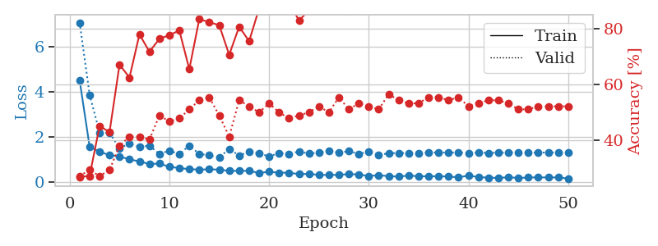
1.3187125973 | 1.8739801542 | 0.5027173913 | 0.38043478261 | 0.08619093895 | 50.27173913 | 38.043478261
1.2138509854 | 1.4903317586 | 0.57880434783 | 0.38043478261 | 0.086502313614 | 57.880434783 | 38.043478261
1.0738317474 | 1.4336938495 | 0.64402173913 | 0.33695652174 | 0.085958719254 | 64.402173913 | 33.695652174
1.0366001725 | 1.4419990286 | 0.67934782609 | 0.33695652174 | 0.086000442505 | 67.934782609 | 33.695652174
0.96348667145 | 1.5943737134 | 0.5597826087 | 0.32608695652 | 0.08619093895 | 55.97826087 | 32.608695652
0.85261040149 | 1.5206814382 | 0.67663043478 | 0.40217391304 | 0.086086511612 | 67.663043478 | 40.217391304
0.79924787257 | 1.6420049201 | 0.65760869565 | 0.39130434783 | 0.086435556412 | 65.760869565 | 39.130434783
0.74718614765 | 1.3828898046 | 0.72826086957 | 0.41304347826 | 0.086055517197 | 72.826086957 | 41.304347826
0.75021155114 | 1.2357429992 | 0.81793478261 | 0.46739130435 | 0.0901658535 | 81.793478261 | 46.739130435
0.72660131817 | 1.3720201772 | 0.75 | 0.4347826087 | 0.085821628571 | 75 | 43.47826087
0.6598973948 | 1.4262036033 | 0.78532608696 | 0.44565217391 | 0.085839986801 | 78.532608696 | 44.565217391
0.58047517227 | 1.3085520112 | 0.79619565217 | 0.5 | 0.085881948471 | 79.619565217 | 50
0.61703385996 | 1.3489044179 | 0.85869565217 | 0.5 | 0.088174104691 | 85.869565217 | 50
0.49509461613 | 1.4058732313 | 0.82336956522 | 0.5 | 0.087181329727 | 82.336956522 | 50
0.56038622105 | 1.3774035703 | 0.79619565217 | 0.5 | 0.086748361588 | 79.619565217 | 50
0.49804609755 | 1.3030199901 | 0.88586956522 | 0.53260869565 | 0.086204528809 | 88.586956522 | 53.260869565
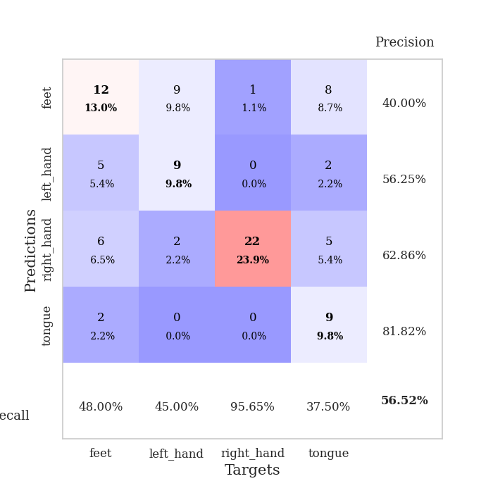
0.51611951123 | 1.4241641656 | 0.8097826087 | 0.53260869565 | 0.086674213409 | 80.97826087 | 53.260869565
0.4103438932 | 1.4449318647 | 0.80434782609 | 0.47826086957 | 0.086129188538 | 80.434782609 | 47.826086957
0.45276319268 | 1.4280152502 | 0.82065217391 | 0.5 | 0.085979223251 | 82.065217391 | 50
0.44139390342 | 1.4253463693 | 0.84510869565 | 0.53260869565 | 0.085870742798 | 84.510869565 | 53.260869565
0.42284056447 | 1.4134254611 | 0.86956521739 | 0.48913043478 | 0.087965488434 | 86.956521739 | 48.913043478
0.38571630596 | 1.5986953352 | 0.8125 | 0.47826086957 | 0.086163043976 | 81.25 | 47.826086957
0.39863051668 | 1.4837556144 | 0.82336956522 | 0.52173913043 | 0.086457252502 | 82.336956522 | 52.173913043
0.36191999491 | 1.388180655 | 0.82336956522 | 0.53260869565 | 0.086269378662 | 82.336956522 | 53.260869565
0.31341424163 | 1.527607047 | 0.82608695652 | 0.51086956522 | 0.086873054504 | 82.608695652 | 51.086956522
0.30481879284 | 1.6755014606 | 0.76630434783 | 0.46739130435 | 0.086464881897 | 76.630434783 | 46.739130435
0.33990543433 | 1.5668280902 | 0.82608695652 | 0.5 | 0.086562633514 | 82.608695652 | 50
0.30990506676 | 1.6328333305 | 0.81793478261 | 0.51086956522 | 0.089022397995 | 81.793478261 | 51.086956522
0.29959822479 | 1.5376546435 | 0.85326086957 | 0.53260869565 | 0.086923122406 | 85.326086957 | 53.260869565
0.31413467099 | 1.6413918889 | 0.79347826087 | 0.52173913043 | 0.086393117905 | 79.347826087 | 52.173913043
0.30886116413 | 1.5808410489 | 0.82608695652 | 0.51086956522 | 0.092436313629 | 82.608695652 | 51.086956522
0.25803746072 | 1.6406958984 | 0.81793478261 | 0.47826086957 | 0.089985847473 | 81.793478261 | 47.826086957
0.20536310971 | 1.7623032331 | 0.77173913043 | 0.48913043478 | 0.086998939514 | 77.173913043 | 48.913043478
0.24937039363 | 1.785341268 | 0.76630434783 | 0.4347826087 | 0.085997819901 | 76.630434783 | 43.47826087
0.24337556991 | 1.690208461 | 0.80434782609 | 0.5 | 0.09340429306 | 80.434782609 | 50
0.22291671355 | 1.6411828321 | 0.83152173913 | 0.51086956522 | 0.10105872154 | 83.152173913 | 51.086956522
0.22542289321 | 1.7054586825 | 0.8152173913 | 0.52173913043 | 0.090152263641 | 81.52173913 | 52.173913043
0.18291898622 | 1.7087342065 | 0.83967391304 | 0.5 | 0.089554071426 | 83.967391304 | 50
0.23071173821 | 1.6766572465 | 0.85054347826 | 0.5 | 0.094830989838 | 85.054347826 | 50
0.20270823833 | 1.6609942861 | 0.85869565217 | 0.51086956522 | 0.089915990829 | 85.869565217 | 51.086956522
0.26620711548 | 1.6331287052 | 0.86684782609 | 0.5 | 0.095031023026 | 86.684782609 | 50
0.19814626419 | 1.637919711 | 0.86141304348 | 0.48913043478 | 0.086649894714 | 86.141304348 | 48.913043478
0.18128799679 | 1.641617749 | 0.85869565217 | 0.51086956522 | 0.086070537567 | 85.869565217 | 51.086956522
0.2339516295 | 1.6417106701 | 0.85869565217 | 0.51086956522 | 0.086414337158 | 85.869565217 | 51.086956522
0.1980054981 | 1.6423368247 | 0.85869565217 | 0.5 | 0.086831569672 | 85.869565217 | 50
0.19206062429 | 1.6335013431 | 0.85869565217 | 0.51086956522 | 0.086017370224 | 85.869565217 | 51.086956522
0.20643193388 | 1.6286077085 | 0.86413043478 | 0.5 | 0.086336612701 | 86.413043478 | 50
0.25470637741 | 1.6260266978 | 0.86956521739 | 0.48913043478 | 0.086310863495 | 86.956521739 | 48.913043478

Best Val accuracy is 0.532608695652174 and Best test accuracy is 0.5689655172413793

Sheet6
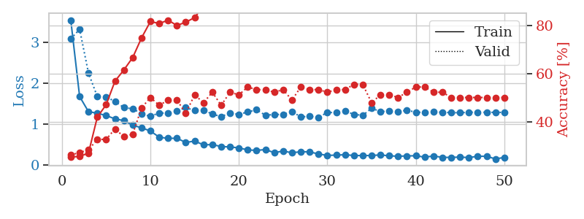
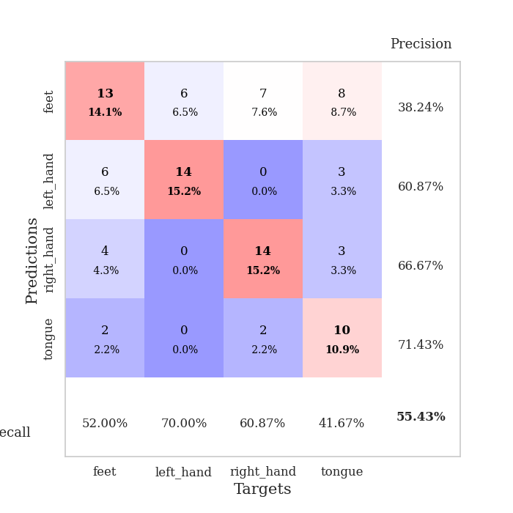
train_loss | valid_loss | train_accuracy | valid_accuracy | dur | train_misclass | valid_misclass
3.8247014388 | 2.8685619624 | 0.2527173913 | 0.26086956522 | 0.081284761429 | 25.27173913 | 26.086956522
1.5246308679 | 3.9671933858 | 0.2527173913 | 0.26086956522 | 0.080680847168 | 25.27173913 | 26.086956522
1.2772346217 | 3.6188399273 | 0.2527173913 | 0.26086956522 | 0.080364704132 | 25.27173913 | 26.086956522
1.1967752161 | 2.173195274 | 0.3152173913 | 0.29347826087 | 0.080514431 | 31.52173913 | 29.347826087
1.1239486751 | 1.8375854026 | 0.4402173913 | 0.34782608696 | 0.080497503281 | 44.02173913 | 34.782608696
1.0661610261 | 1.6276163277 | 0.63043478261 | 0.38043478261 | 0.080626487732 | 63.043478261 | 38.043478261
0.96827326132 | 1.4806523997 | 0.66304347826 | 0.40217391304 | 0.08050775528 | 66.304347826 | 40.217391304
0.94118380547 | 1.3122996921 | 0.75815217391 | 0.4347826087 | 0.08044052124 | 75.815217391 | 43.47826087
0.82775552895 | 1.2640195152 | 0.79347826087 | 0.44565217391 | 0.080520868301 | 79.347826087 | 44.565217391
0.78253140398 | 1.4064020333 | 0.70108695652 | 0.42391304348 | 0.080338716507 | 70.108695652 | 42.391304348
0.70849163895 | 1.1869011029 | 0.78804347826 | 0.51086956522 | 0.080367326736 | 78.804347826 | 51.086956522
0.70728105566 | 1.0942528507 | 0.83695652174 | 0.52173913043 | 0.080445051193 | 83.695652174 | 52.173913043
0.58825031959 | 1.5756543719 | 0.65217391304 | 0.41304347826 | 0.080466985703 | 65.217391304 | 41.304347826
0.63561388202 | 1.1186044579 | 0.84782608696 | 0.48913043478 | 0.080392360687 | 84.782608696 | 48.913043478
0.53672446116 | 1.2994438565 | 0.78260869565 | 0.5 | 0.080403327942 | 78.260869565 | 50
0.53582531602 | 1.159781684 | 0.875 | 0.44565217391 | 0.080555915833 | 87.5 | 44.565217391
0.53814965357 | 1.1835658498 | 0.86956521739 | 0.46739130435 | 0.080283403397 | 86.956521739 | 46.739130435
0.50543165336 | 1.1576420276 | 0.85054347826 | 0.5 | 0.080487012863 | 85.054347826 | 50
0.47485983177 | 1.0813898315 | 0.90217391304 | 0.47826086957 | 0.080344676971 | 90.217391304 | 47.826086957
0.4420871929 | 1.1743479863 | 0.8777173913 | 0.51086956522 | 0.080442428589 | 87.77173913 | 51.086956522
0.39080749452 | 1.1340674473 | 0.91304347826 | 0.52173913043 | 0.080284357071 | 91.304347826 | 52.173913043
0.34750556168 | 1.2395801648 | 0.8777173913 | 0.52173913043 | 0.080394983292 | 87.77173913 | 52.173913043
0.33268754735 | 1.3721623991 | 0.8722826087 | 0.5 | 0.080463886261 | 87.22826087 | 50
0.36610910037 | 1.4104930473 | 0.86413043478 | 0.47826086957 | 0.080468416214 | 86.413043478 | 47.826086957
0.36420726841 | 1.4464139472 | 0.85054347826 | 0.51086956522 | 0.080323457718 | 85.054347826 | 51.086956522
0.32775965948 | 1.2653041819 | 0.91847826087 | 0.52173913043 | 0.080396413803 | 91.847826087 | 52.173913043
0.28598207171 | 1.5291496619 | 0.84510869565 | 0.5 | 0.080365657806 | 84.510869565 | 50
0.29588171775 | 1.3652518314 | 0.89673913043 | 0.47826086957 | 0.080513715744 | 89.673913043 | 47.826086957
0.28792284073 | 1.4939659989 | 0.8722826087 | 0.5 | 0.080398321152 | 87.22826087 | 50
0.32226118121 | 1.3396753798 | 0.93206521739 | 0.54347826087 | 0.080348968506 | 93.206521739 | 54.347826087
0.25408039858 | 1.5032886474 | 0.88043478261 | 0.51086956522 | 0.080632209778 | 88.043478261 | 51.086956522
0.26173271725 | 1.4487064973 | 0.89673913043 | 0.5 | 0.080443382263 | 89.673913043 | 50
0.29696772248 | 1.5507712727 | 0.875 | 0.51086956522 | 0.080430746078 | 87.5 | 51.086956522
0.2360039687 | 1.3969628033 | 0.91576086957 | 0.51086956522 | 0.080469608307 | 91.576086957 | 51.086956522
0.19684390043 | 1.4922398847 | 0.89402173913 | 0.48913043478 | 0.080508947372 | 89.402173913 | 48.913043478
0.22129253492 | 1.4576941366 | 0.90760869565 | 0.52173913043 | 0.080557107925 | 90.760869565 | 52.173913043
0.24631715517 | 1.5169297768 | 0.88315217391 | 0.52173913043 | 0.080422639847 | 88.315217391 | 52.173913043
0.21001779709 | 1.5969114615 | 0.85869565217 | 0.51086956522 | 0.080640077591 | 85.869565217 | 51.086956522
0.17657209803 | 1.4890379076 | 0.90217391304 | 0.53260869565 | 0.080628871918 | 90.217391304 | 53.260869565
0.20344686362 | 1.4422233468 | 0.91576086957 | 0.52173913043 | 0.08056974411 | 91.576086957 | 52.173913043
0.21961193661 | 1.4339653565 | 0.91576086957 | 0.52173913043 | 0.080454587936 | 91.576086957 | 52.173913043
0.22119514353 | 1.4598733861 | 0.91576086957 | 0.53260869565 | 0.080554246902 | 91.576086957 | 53.260869565
0.22082728974 | 1.4763141093 | 0.91304347826 | 0.52173913043 | 0.080583572388 | 91.304347826 | 52.173913043
0.22116084397 | 1.4727245414 | 0.91304347826 | 0.53260869565 | 0.080275058746 | 91.304347826 | 53.260869565
0.19619785184 | 1.4662986838 | 0.91304347826 | 0.53260869565 | 0.080524682999 | 91.304347826 | 53.260869565
0.20223320454 | 1.4599776113 | 0.92119565217 | 0.53260869565 | 0.080458879471 | 92.119565217 | 53.260869565
0.20290958881 | 1.4603396032 | 0.92119565217 | 0.53260869565 | 0.080455064774 | 92.119565217 | 53.260869565
0.20655812015 | 1.4639374121 | 0.92119565217 | 0.53260869565 | 0.080291032791 | 92.119565217 | 53.260869565
0.18629708271 | 1.4618990318 | 0.92119565217 | 0.52173913043 | 0.080487966537 | 92.119565217 | 52.173913043
0.18351672776 | 1.4602405558 | 0.92119565217 | 0.52173913043 | 0.080270528793 | 92.119565217 | 52.173913043

Best Val accuracy is 0.5434782608695652 and Best test accuracy is 0.6120689655172413
train_loss | valid_loss | train_accuracy | valid_accuracy | dur | train_misclass | valid_misclass
3.5359641106 | 3.0787001485 | 0.2527173913 | 0.26086956522 | 0.08812046051 | 25.27173913 | 26.086956522
1.6757855674 | 3.3122412122 | 0.25543478261 | 0.27173913043 | 0.085659503937 | 25.543478261 | 27.173913043
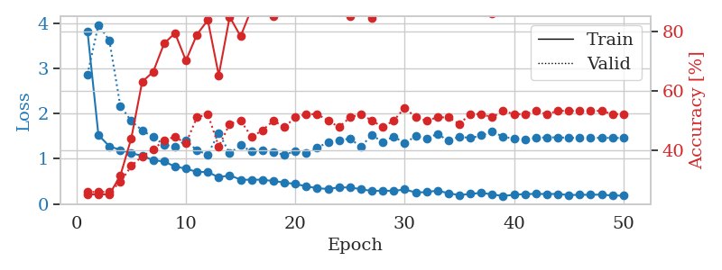
1.3072329034 | 2.2470087642 | 0.26902173913 | 0.28260869565 | 0.086186408997 | 26.902173913 | 28.260869565
1.2686244172 | 1.6734014076 | 0.41847826087 | 0.32608695652 | 0.085702180862 | 41.847826087 | 32.608695652
1.2114587219 | 1.6684225539 | 0.47010869565 | 0.32608695652 | 0.085456371307 | 47.010869565 | 32.608695652
1.1320319953 | 1.5534519527 | 0.56793478261 | 0.36956521739 | 0.0855884552 | 56.793478261 | 36.956521739
1.0891954121 | 1.4072865766 | 0.61413043478 | 0.33695652174 | 0.090366601944 | 61.413043478 | 33.695652174
0.97763579825 | 1.3754602671 | 0.66576086957 | 0.34782608696 | 0.092415332794 | 66.576086957 | 34.782608696
0.91325934555 | 1.2568123081 | 0.7472826087 | 0.45652173913 | 0.086094617844 | 74.72826087 | 45.652173913
0.83661537585 | 1.1906203187 | 0.8152173913 | 0.5 | 0.086444854736 | 81.52173913 | 50
0.68481264296 | 1.2783871267 | 0.80706521739 | 0.46739130435 | 0.086107254028 | 80.706521739 | 46.739130435
0.65743880168 | 1.2652381555 | 0.82065217391 | 0.48913043478 | 0.08598613739 | 82.065217391 | 48.913043478
0.65894303374 | 1.3198827142 | 0.79891304348 | 0.48913043478 | 0.087663888931 | 79.891304348 | 48.913043478
0.5572312254 | 1.4038228211 | 0.8125 | 0.4347826087 | 0.085395812988 | 81.25 | 43.47826087
0.59021536552 | 1.3364084337 | 0.83152173913 | 0.51086956522 | 0.08526468277 | 83.152173913 | 51.086956522
0.49993164902 | 1.3472897955 | 0.88043478261 | 0.47826086957 | 0.085711240768 | 88.043478261 | 47.826086957
0.50449113613 | 1.2475274957 | 0.88043478261 | 0.52173913043 | 0.085701704025 | 88.043478261 | 52.173913043
0.45883329925 | 1.1871853341 | 0.90489130435 | 0.46739130435 | 0.085709571838 | 90.489130435 | 46.739130435
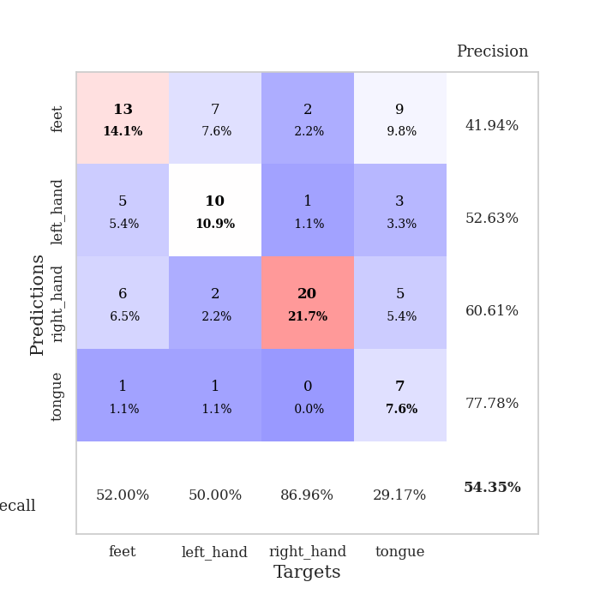
0.44745895785 | 1.2735367391 | 0.91032608696 | 0.52173913043 | 0.085522174835 | 91.032608696 | 52.173913043
0.42551109324 | 1.2409090218 | 0.92119565217 | 0.51086956522 | 0.085426807404 | 92.119565217 | 51.086956522
0.37483794275 | 1.2986220536 | 0.88043478261 | 0.54347826087 | 0.085224151611 | 88.043478261 | 54.347826087
0.36460048803 | 1.3513511005 | 0.90489130435 | 0.53260869565 | 0.085594892502 | 90.489130435 | 53.260869565
0.38360322753 | 1.2200396061 | 0.92934782609 | 0.53260869565 | 0.085356473923 | 92.934782609 | 53.260869565
0.30864794066 | 1.2374848024 | 0.9402173913 | 0.52173913043 | 0.085499048233 | 94.02173913 | 52.173913043
0.34793712264 | 1.2403968469 | 0.94565217391 | 0.53260869565 | 0.085422992706 | 94.565217391 | 53.260869565
0.30613838557 | 1.3083729485 | 0.9375 | 0.48913043478 | 0.085605144501 | 93.75 | 48.913043478
0.33182974225 | 1.1797508882 | 0.95923913043 | 0.54347826087 | 0.085545778275 | 95.923913043 | 54.347826087
0.32781217863 | 1.1922191278 | 0.96467391304 | 0.53260869565 | 0.085806131363 | 96.467391304 | 53.260869565
0.27657745293 | 1.1625614633 | 0.96467391304 | 0.53260869565 | 0.085738182068 | 96.467391304 | 53.260869565
0.24197703341 | 1.2910263331 | 0.95108695652 | 0.52173913043 | 0.085202693939 | 95.108695652 | 52.173913043
0.2488729118 | 1.27974873 | 0.9347826087 | 0.53260869565 | 0.085607767105 | 93.47826087 | 53.260869565
0.2586204604 | 1.3225257656 | 0.9347826087 | 0.53260869565 | 0.085155725479 | 93.47826087 | 53.260869565
0.23930292382 | 1.2416761492 | 0.97010869565 | 0.55434782609 | 0.085387945175 | 97.010869565 | 55.434782609
0.23845485371 | 1.217472377 | 0.95923913043 | 0.55434782609 | 0.08568239212 | 95.923913043 | 55.434782609
0.23924245685 | 1.3885594295 | 0.95108695652 | 0.47826086957 | 0.085532903671 | 95.108695652 | 47.826086957
0.25378985152 | 1.3107327016 | 0.96739130435 | 0.51086956522 | 0.085483551025 | 96.739130435 | 51.086956522
0.23184795062 | 1.3161185617 | 0.98097826087 | 0.51086956522 | 0.085174798965 | 98.097826087 | 51.086956522
0.2213582207 | 1.3072885327 | 0.96467391304 | 0.5 | 0.087759971619 | 96.467391304 | 50
0.22919570104 | 1.3424370963 | 0.97282608696 | 0.52173913043 | 0.085917472839 | 97.282608696 | 52.173913043
0.23385285797 | 1.2932303315 | 0.98097826087 | 0.54347826087 | 0.085425376892 | 98.097826087 | 54.347826087
0.19917625569 | 1.2883243198 | 0.98097826087 | 0.54347826087 | 0.085361242294 | 98.097826087 | 54.347826087
0.22793267505 | 1.3017227857 | 0.98097826087 | 0.52173913043 | 0.089711427689 | 98.097826087 | 52.173913043
0.19472104959 | 1.2907740292 | 0.98641304348 | 0.52173913043 | 0.085891962051 | 98.641304348 | 52.173913043
0.19351034887 | 1.283785991 | 0.98641304348 | 0.5 | 0.085603237152 | 98.641304348 | 50
0.20095388883 | 1.2805811478 | 0.98641304348 | 0.5 | 0.085660934448 | 98.641304348 | 50
0.18896782803 | 1.2916534828 | 0.98641304348 | 0.5 | 0.085851430893 | 98.641304348 | 50
0.22089053658 | 1.2932791814 | 0.98641304348 | 0.5 | 0.085471868515 | 98.641304348 | 50
0.22096361933 | 1.2913485454 | 0.98641304348 | 0.5 | 0.085659980774 | 98.641304348 | 50
0.15557355418 | 1.2895185533 | 0.98641304348 | 0.5 | 0.08612537384 | 98.641304348 | 50
0.19342296603 | 1.2887927397 | 0.98641304348 | 0.5 | 0.08612704277 | 98.641304348 | 50

Best Val accuracy is 0.5543478260869565 and Best test accuracy is 0.603448275862069

Sheet7
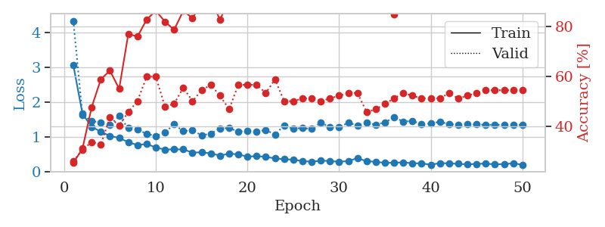
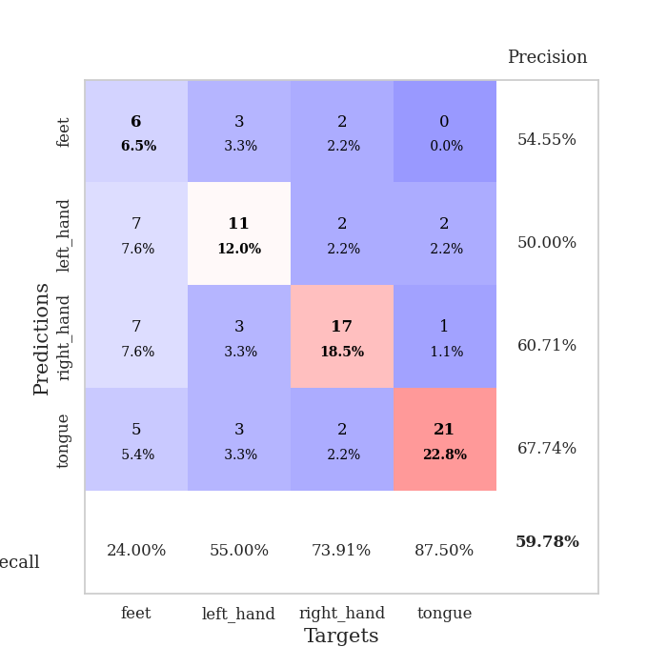
train_loss | valid_loss | train_accuracy | valid_accuracy | dur | train_misclass | valid_misclass
3.858041017 | 9.8576294858 | 0.2527173913 | 0.26086956522 | 0.084113121033 | 25.27173913 | 26.086956522
1.6335104808 | 7.0626321668 | 0.2527173913 | 0.26086956522 | 0.080144643784 | 25.27173913 | 26.086956522
1.3574050717 | 4.4489180523 | 0.2527173913 | 0.26086956522 | 0.079934835434 | 25.27173913 | 26.086956522
1.2127543273 | 2.5277656939 | 0.28260869565 | 0.29347826087 | 0.079856872559 | 28.260869565 | 29.347826087
1.0560168261 | 1.8564665058 | 0.375 | 0.35869565217 | 0.080054044724 | 37.5 | 35.869565217
0.95166339045 | 1.3130238238 | 0.71195652174 | 0.46739130435 | 0.079960107803 | 71.195652174 | 46.739130435
0.87655636279 | 1.2687104914 | 0.67391304348 | 0.58695652174 | 0.079887390137 | 67.391304348 | 58.695652174
0.78608998268 | 1.1096312378 | 0.70380434783 | 0.55434782609 | 0.080066919327 | 70.380434783 | 55.434782609
0.73349622669 | 1.1614473773 | 0.7527173913 | 0.57608695652 | 0.079977035522 | 75.27173913 | 57.608695652
0.66326847025 | 1.2578043912 | 0.75543478261 | 0.54347826087 | 0.079585552216 | 75.543478261 | 54.347826087
0.6909102655 | 1.3601649663 | 0.7472826087 | 0.54347826087 | 0.079777956009 | 74.72826087 | 54.347826087
0.72391182184 | 1.0668391637 | 0.82336956522 | 0.57608695652 | 0.079759120941 | 82.336956522 | 57.608695652
0.61318721525 | 1.119392903 | 0.85326086957 | 0.59782608696 | 0.079686641693 | 85.326086957 | 59.782608696
0.5553309762 | 1.1282158805 | 0.84510869565 | 0.57608695652 | 0.079867601395 | 84.510869565 | 57.608695652
0.6105293813 | 1.0921635446 | 0.875 | 0.59782608696 | 0.080101490021 | 87.5 | 59.782608696
0.51573058574 | 1.1814783682 | 0.86141304348 | 0.5652173913 | 0.08026099205 | 86.141304348 | 56.52173913
0.51565093515 | 1.2886979735 | 0.86956521739 | 0.5652173913 | 0.08043885231 | 86.956521739 | 56.52173913
0.50618284682 | 1.2747044589 | 0.88315217391 | 0.55434782609 | 0.083089351654 | 88.315217391 | 55.434782609
0.52748380083 | 1.1227753136 | 0.90489130435 | 0.54347826087 | 0.081084728241 | 90.489130435 | 54.347826087
0.45405097047 | 1.2282562696 | 0.88315217391 | 0.53260869565 | 0.081157445908 | 88.315217391 | 53.260869565
0.43878702884 | 1.2577505682 | 0.90217391304 | 0.5 | 0.081177949905 | 90.217391304 | 50
0.41852254064 | 1.2985505773 | 0.91576086957 | 0.55434782609 | 0.083107709885 | 91.576086957 | 55.434782609
0.40934588145 | 1.1015971303 | 0.93206521739 | 0.5652173913 | 0.080959558487 | 93.206521739 | 56.52173913
0.40927960691 | 1.2120875068 | 0.92391304348 | 0.5652173913 | 0.08092045784 | 92.391304348 | 56.52173913
0.34788398639 | 1.2624411505 | 0.93206521739 | 0.55434782609 | 0.080865383148 | 93.206521739 | 55.434782609
0.37754559646 | 1.2000219407 | 0.94293478261 | 0.58695652174 | 0.0807492733 | 94.293478261 | 58.695652174
0.32541059055 | 1.3112017046 | 0.92934782609 | 0.55434782609 | 0.081037759781 | 92.934782609 | 55.434782609
0.43377606117 | 1.2085706281 | 0.92934782609 | 0.5652173913 | 0.080997228622 | 92.934782609 | 56.52173913
0.36512949836 | 1.4316854062 | 0.89673913043 | 0.48913043478 | 0.08092546463 | 89.673913043 | 48.913043478
0.34654722525 | 1.3170987705 | 0.9375 | 0.52173913043 | 0.08086681366 | 93.75 | 52.173913043
0.3079043089 | 1.3424090562 | 0.92119565217 | 0.51086956522 | 0.080780744553 | 92.119565217 | 51.086956522
0.33688576811 | 1.2110391052 | 0.95108695652 | 0.55434782609 | 0.080928564072 | 95.108695652 | 55.434782609
0.31024578538 | 1.3277727132 | 0.92663043478 | 0.54347826087 | 0.080722332001 | 92.663043478 | 54.347826087
0.31556330605 | 1.3708986847 | 0.92934782609 | 0.51086956522 | 0.080716609955 | 92.934782609 | 51.086956522
0.29490834993 | 1.3409709879 | 0.93206521739 | 0.48913043478 | 0.080809116364 | 93.206521739 | 48.913043478
0.31165045176 | 1.4053669546 | 0.92934782609 | 0.53260869565 | 0.080889463425 | 92.934782609 | 53.260869565
0.30486209302 | 1.3511538246 | 0.95108695652 | 0.52173913043 | 0.080754041672 | 95.108695652 | 52.173913043
0.27702583113 | 1.3748870622 | 0.94565217391 | 0.51086956522 | 0.080809831619 | 94.565217391 | 51.086956522
0.30142955774 | 1.3503420923 | 0.95380434783 | 0.53260869565 | 0.080756664276 | 95.380434783 | 53.260869565
0.28290929645 | 1.3177597212 | 0.95652173913 | 0.51086956522 | 0.080865859985 | 95.652173913 | 51.086956522
0.24746863981 | 1.3506229701 | 0.94565217391 | 0.52173913043 | 0.083379745483 | 94.565217391 | 52.173913043
0.26015288577 | 1.4010550302 | 0.93206521739 | 0.5 | 0.081310749054 | 93.206521739 | 50
0.27173774301 | 1.4007319212 | 0.9402173913 | 0.5 | 0.081132888794 | 94.02173913 | 50
0.26783544149 | 1.3943361355 | 0.9402173913 | 0.51086956522 | 0.081036567688 | 94.02173913 | 51.086956522
0.24992613997 | 1.3716129427 | 0.94565217391 | 0.5 | 0.081471681595 | 94.565217391 | 50
0.24600469029 | 1.3648105445 | 0.94293478261 | 0.5 | 0.085807085037 | 94.293478261 | 50
0.25208906991 | 1.357983584 | 0.94565217391 | 0.5 | 0.081381559372 | 94.565217391 | 50
0.25279356993 | 1.359054327 | 0.94565217391 | 0.5 | 0.081387758255 | 94.565217391 | 50
0.2211413965 | 1.3588823702 | 0.94565217391 | 0.5 | 0.08122253418 | 94.565217391 | 50
0.26325488803 | 1.3583280677 | 0.94565217391 | 0.5 | 0.081305742264 | 94.565217391 | 50

Best Val accuracy is 0.5978260869565217 and Best test accuracy is 0.5689655172413793
train_loss | valid_loss | train_accuracy | valid_accuracy | dur | train_misclass | valid_misclass
3.0558545278 | 4.3285665823 | 0.2527173913 | 0.26086956522 | 0.091423749924 | 25.27173913 | 26.086956522
1.6552199695 | 1.625814526 | 0.3097826087 | 0.30434782609 | 0.085826873779 | 30.97826087 | 30.434782609
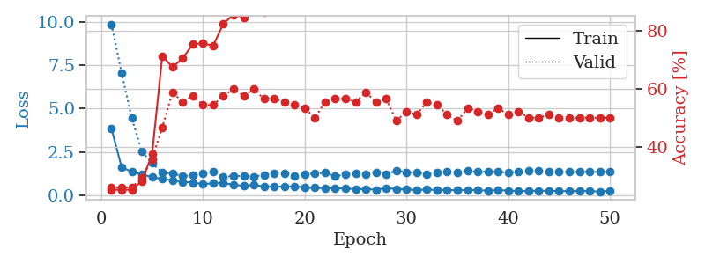
1.2834304753 | 1.4452772503 | 0.47554347826 | 0.33695652174 | 0.086275815964 | 47.554347826 | 33.695652174
1.1408077738 | 1.4109102799 | 0.58695652174 | 0.32608695652 | 0.085691928864 | 58.695652174 | 32.608695652
1.0203585702 | 1.3354150834 | 0.6222826087 | 0.4347826087 | 0.085904836655 | 62.22826087 | 43.47826087
0.96176523229 | 1.5911478271 | 0.54891304348 | 0.40217391304 | 0.08559179306 | 54.891304348 | 40.217391304
0.84105858855 | 1.241021996 | 0.76902173913 | 0.45652173913 | 0.085313081741 | 76.902173913 | 45.652173913
0.75714756224 | 1.2007765511 | 0.75815217391 | 0.5 | 0.089341640472 | 75.815217391 | 50
0.7904162692 | 1.0825225685 | 0.82608695652 | 0.59782608696 | 0.08595252037 | 82.608695652 | 59.782608696
0.68803077418 | 1.0140959309 | 0.86141304348 | 0.59782608696 | 0.085498809814 | 86.141304348 | 59.782608696
0.62822040656 | 1.1260988013 | 0.81793478261 | 0.47826086957 | 0.085576295853 | 81.793478261 | 47.826086957
0.6346501423 | 1.3494063357 | 0.78532608696 | 0.48913043478 | 0.085386753082 | 78.532608696 | 48.913043478
0.6320729774 | 1.156444293 | 0.86141304348 | 0.55434782609 | 0.085742950439 | 86.141304348 | 55.434782609
0.54131762878 | 1.1844026343 | 0.83152173913 | 0.5 | 0.087943792343 | 83.152173913 | 50
0.54900064157 | 1.036064573 | 0.89402173913 | 0.54347826087 | 0.086983680725 | 89.402173913 | 54.347826087
0.51737962534 | 1.0876608102 | 0.90489130435 | 0.5652173913 | 0.085490703583 | 90.489130435 | 56.52173913
0.45560165657 | 1.2329623051 | 0.82608695652 | 0.52173913043 | 0.085377216339 | 82.608695652 | 52.173913043
0.51109734048 | 1.2463442683 | 0.90217391304 | 0.46739130435 | 0.089482545853 | 90.217391304 | 46.739130435
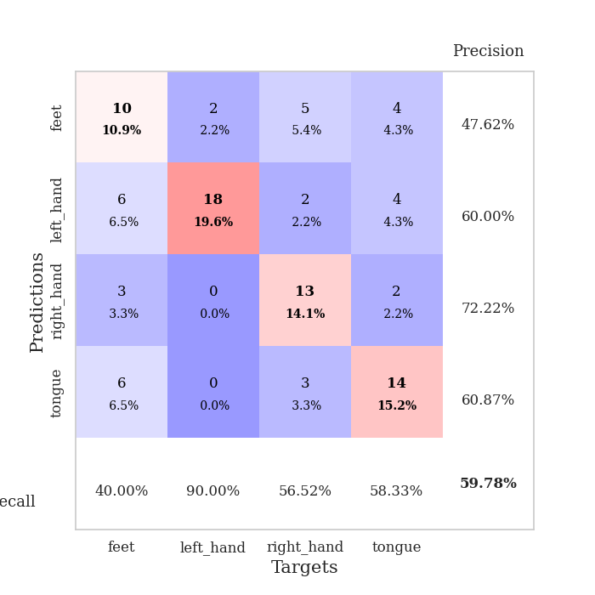
0.49040472184 | 1.1432230784 | 0.9347826087 | 0.5652173913 | 0.085598707199 | 93.47826087 | 56.52173913
0.42444838778 | 1.1692286626 | 0.95108695652 | 0.5652173913 | 0.087129592896 | 95.108695652 | 56.52173913
0.44212649763 | 1.1435794804 | 0.95380434783 | 0.5652173913 | 0.085629463196 | 95.380434783 | 56.52173913
0.41664841965 | 1.1927998584 | 0.9402173913 | 0.53260869565 | 0.087735414505 | 94.02173913 | 53.260869565
0.37747901257 | 1.0581162365 | 0.97282608696 | 0.58695652174 | 0.092488527298 | 97.282608696 | 58.695652174
0.35010583245 | 1.3220244698 | 0.90217391304 | 0.5 | 0.086564540863 | 90.217391304 | 50
0.33869262169 | 1.2311200629 | 0.90489130435 | 0.5 | 0.086252212524 | 90.489130435 | 50
0.29639875889 | 1.2440584639 | 0.91576086957 | 0.51086956522 | 0.085848093033 | 91.576086957 | 51.086956522
0.27976666909 | 1.2192238984 | 0.93206521739 | 0.51086956522 | 0.085556268692 | 93.206521739 | 51.086956522
0.30856749577 | 1.3988544371 | 0.88043478261 | 0.5 | 0.085514783859 | 88.043478261 | 50
0.30045633795 | 1.2715102745 | 0.92391304348 | 0.51086956522 | 0.085195541382 | 92.391304348 | 51.086956522
0.27514832548 | 1.2692616452 | 0.91576086957 | 0.52173913043 | 0.086067676544 | 91.576086957 | 52.173913043
0.30151572338 | 1.3996526469 | 0.86684782609 | 0.53260869565 | 0.085817575455 | 86.684782609 | 53.260869565
0.38037112226 | 1.3202240985 | 0.89130434783 | 0.53260869565 | 0.085736513138 | 89.130434783 | 53.260869565
0.29223296646 | 1.4003005546 | 0.86413043478 | 0.45652173913 | 0.085503101349 | 86.413043478 | 45.652173913
0.27897005139 | 1.3437401056 | 0.91576086957 | 0.46739130435 | 0.085941553116 | 91.576086957 | 46.739130435
0.24422945503 | 1.4101258309 | 0.88315217391 | 0.48913043478 | 0.085808038712 | 88.315217391 | 48.913043478
0.24772469408 | 1.5543899121 | 0.84782608696 | 0.51086956522 | 0.085594177246 | 84.782608696 | 51.086956522
0.261176982 | 1.4347418495 | 0.88315217391 | 0.53260869565 | 0.085988998413 | 88.315217391 | 53.260869565
0.23574675069 | 1.4462802099 | 0.8722826087 | 0.52173913043 | 0.085940122604 | 87.22826087 | 52.173913043
0.23168765559 | 1.3640259556 | 0.91304347826 | 0.51086956522 | 0.085710048676 | 91.304347826 | 51.086956522
0.19222655002 | 1.3782552325 | 0.91304347826 | 0.51086956522 | 0.087616682053 | 91.304347826 | 51.086956522
0.2399479695 | 1.4305224056 | 0.88315217391 | 0.51086956522 | 0.085610151291 | 88.315217391 | 51.086956522
0.2321273103 | 1.3592283933 | 0.91304347826 | 0.53260869565 | 0.086021900177 | 91.304347826 | 53.260869565
0.21865190647 | 1.3454690446 | 0.91576086957 | 0.51086956522 | 0.086098670959 | 91.576086957 | 51.086956522
0.20294075232 | 1.3516356012 | 0.91576086957 | 0.52173913043 | 0.085654735565 | 91.576086957 | 52.173913043
0.21629918739 | 1.3502254849 | 0.91576086957 | 0.53260869565 | 0.085957527161 | 91.576086957 | 53.260869565
0.22583538456 | 1.3421984082 | 0.91847826087 | 0.54347826087 | 0.086058616638 | 91.847826087 | 54.347826087
0.20189639877 | 1.3398574694 | 0.92119565217 | 0.54347826087 | 0.085804700851 | 92.119565217 | 54.347826087
0.21178623451 | 1.3375368585 | 0.92391304348 | 0.54347826087 | 0.085914373398 | 92.391304348 | 54.347826087
0.23310867859 | 1.3352593546 | 0.92391304348 | 0.54347826087 | 0.085740566254 | 92.391304348 | 54.347826087
0.19149032008 | 1.3339556404 | 0.92663043478 | 0.54347826087 | 0.085571050644 | 92.663043478 | 54.347826087

Best Val accuracy is 0.5978260869565217 and Best test accuracy is 0.5603448275862069

Sheet8
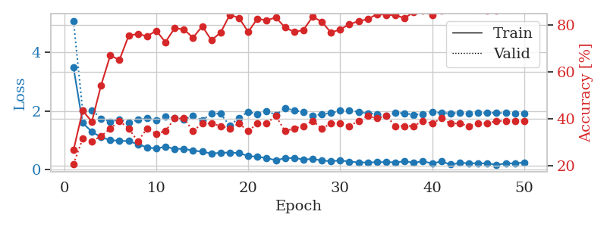
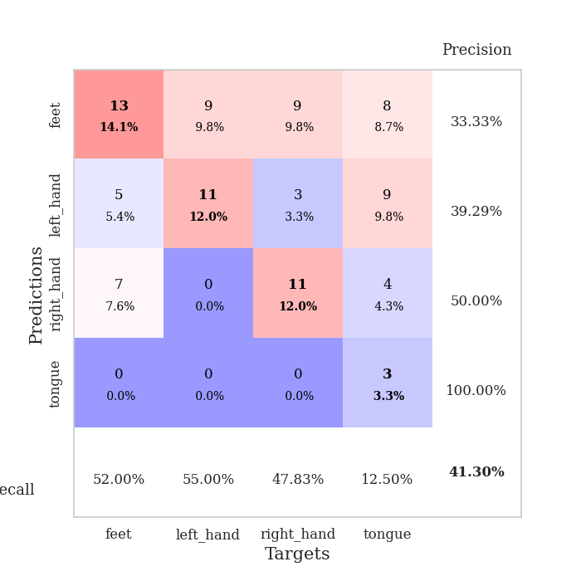
train_loss | valid_loss | train_accuracy | valid_accuracy | dur | train_misclass | valid_misclass
3.2835452816 | 1.4860924793 | 0.35326086957 | 0.29347826087 | 0.082270383835 | 35.326086957 | 29.347826087
1.6576936297 | 2.0618837398 | 0.25543478261 | 0.27173913043 | 0.08103966713 | 25.543478261 | 27.173913043
1.407783187 | 1.8555035384 | 0.34782608696 | 0.32608695652 | 0.082801103592 | 34.782608696 | 32.608695652
1.3332802809 | 1.692489707 | 0.45380434783 | 0.33695652174 | 0.081044435501 | 45.380434783 | 33.695652174
1.1765113421 | 1.4396258955 | 0.61413043478 | 0.36956521739 | 0.080806255341 | 61.413043478 | 36.956521739
1.1069198277 | 1.4762972593 | 0.64130434783 | 0.3152173913 | 0.080956697464 | 64.130434783 | 31.52173913
1.0047231342 | 1.4653041622 | 0.68206521739 | 0.40217391304 | 0.08074259758 | 68.206521739 | 40.217391304
0.99936688205 | 1.4669381691 | 0.7472826087 | 0.36956521739 | 0.080902338028 | 74.72826087 | 36.956521739
0.84872419419 | 1.4190823928 | 0.78260869565 | 0.39130434783 | 0.080856084824 | 78.260869565 | 39.130434783
0.79287175251 | 1.3552465698 | 0.78804347826 | 0.4347826087 | 0.081075668335 | 78.804347826 | 43.47826087
0.72609712248 | 1.2326660908 | 0.83695652174 | 0.45652173913 | 0.081140995026 | 83.695652174 | 45.652173913
0.67749765774 | 1.3836743158 | 0.78804347826 | 0.4347826087 | 0.081172227859 | 78.804347826 | 43.47826087
0.6471422496 | 1.2635469385 | 0.85869565217 | 0.42391304348 | 0.081186771393 | 85.869565217 | 42.391304348
0.61303557196 | 1.5413742947 | 0.7527173913 | 0.44565217391 | 0.081190824509 | 75.27173913 | 44.565217391
0.58571644516 | 1.2332705829 | 0.875 | 0.48913043478 | 0.081152200699 | 87.5 | 48.913043478
0.51224295082 | 1.328863118 | 0.86413043478 | 0.4347826087 | 0.081302881241 | 86.413043478 | 43.47826087
0.48071044619 | 1.3032913156 | 0.84510869565 | 0.46739130435 | 0.081143856049 | 84.510869565 | 46.739130435
0.48028456193 | 1.1394126286 | 0.90217391304 | 0.51086956522 | 0.081109523773 | 90.217391304 | 51.086956522
0.43939539596 | 1.1166126391 | 0.94293478261 | 0.52173913043 | 0.081352233887 | 94.293478261 | 52.173913043
0.46139902848 | 1.1773564634 | 0.89673913043 | 0.47826086957 | 0.081220388412 | 89.673913043 | 47.826086957
0.43852953159 | 1.1892347336 | 0.92391304348 | 0.5 | 0.081165790558 | 92.391304348 | 50
0.44844959417 | 1.3098408606 | 0.89673913043 | 0.4347826087 | 0.081053495407 | 89.673913043 | 43.47826087
0.35057691647 | 1.2666275864 | 0.90760869565 | 0.44565217391 | 0.081043481827 | 90.760869565 | 44.565217391
0.38784980418 | 1.2581071284 | 0.90217391304 | 0.48913043478 | 0.081092357635 | 90.217391304 | 48.913043478
0.37494789971 | 1.4234990814 | 0.84782608696 | 0.46739130435 | 0.081330776215 | 84.782608696 | 46.739130435
0.30751380227 | 1.2124913827 | 0.92119565217 | 0.52173913043 | 0.081166267395 | 92.119565217 | 52.173913043
0.41922327034 | 1.2560616265 | 0.91032608696 | 0.52173913043 | 0.081176042557 | 91.032608696 | 52.173913043
0.31191910479 | 1.3495602038 | 0.88858695652 | 0.48913043478 | 0.081139326096 | 88.858695652 | 48.913043478
0.30387125099 | 1.2556940991 | 0.93206521739 | 0.46739130435 | 0.081329584122 | 93.206521739 | 46.739130435
0.35003229911 | 1.4116278524 | 0.85869565217 | 0.48913043478 | 0.081180334091 | 85.869565217 | 48.913043478
0.30695279331 | 1.3874571064 | 0.86684782609 | 0.52173913043 | 0.081307649612 | 86.684782609 | 52.173913043
0.24515860593 | 1.4262115489 | 0.8777173913 | 0.46739130435 | 0.081156492233 | 87.77173913 | 46.739130435
0.33254276248 | 1.4418606343 | 0.84782608696 | 0.47826086957 | 0.081121921539 | 84.782608696 | 47.826086957
0.25803272426 | 1.4579111389 | 0.85054347826 | 0.46739130435 | 0.081240415573 | 85.054347826 | 46.739130435
0.27136335554 | 1.3957243121 | 0.88043478261 | 0.47826086957 | 0.081189632416 | 88.043478261 | 47.826086957
0.24141197878 | 1.36152637 | 0.89402173913 | 0.46739130435 | 0.081022262573 | 89.402173913 | 46.739130435
0.24985607843 | 1.3621399143 | 0.89402173913 | 0.51086956522 | 0.081183195114 | 89.402173913 | 51.086956522
0.23155557526 | 1.3113769863 | 0.92119565217 | 0.5 | 0.081263780594 | 92.119565217 | 50
0.23148249316 | 1.2989093687 | 0.9375 | 0.51086956522 | 0.081165790558 | 93.75 | 51.086956522
0.21161061525 | 1.3442341245 | 0.92391304348 | 0.51086956522 | 0.081294775009 | 92.391304348 | 51.086956522
0.23492083666 | 1.3370799241 | 0.92391304348 | 0.51086956522 | 0.08132147789 | 92.391304348 | 51.086956522
0.25716256545 | 1.3363618747 | 0.91847826087 | 0.5 | 0.081181764603 | 91.847826087 | 50
0.20958783963 | 1.3143399436 | 0.92663043478 | 0.53260869565 | 0.081294536591 | 92.663043478 | 53.260869565
0.25211901736 | 1.2955244158 | 0.9347826087 | 0.52173913043 | 0.08158993721 | 93.47826087 | 52.173913043
0.20789909217 | 1.2775276796 | 0.94293478261 | 0.51086956522 | 0.081602096558 | 94.293478261 | 51.086956522
0.20488534933 | 1.2745276638 | 0.94293478261 | 0.52173913043 | 0.081350564957 | 94.293478261 | 52.173913043
0.21918562249 | 1.2727694822 | 0.94293478261 | 0.52173913043 | 0.081362962723 | 94.293478261 | 52.173913043
0.19209739371 | 1.2714046862 | 0.94293478261 | 0.52173913043 | 0.081086397171 | 94.293478261 | 52.173913043
0.24494541566 | 1.2667414261 | 0.94293478261 | 0.52173913043 | 0.08105134964 | 94.293478261 | 52.173913043
0.20838162335 | 1.2640761863 | 0.94293478261 | 0.52173913043 | 0.081031799316 | 94.293478261 | 52.173913043

Best Val accuracy is 0.532608695652174 and Best test accuracy is 0.5689655172413793
train_loss | valid_loss | train_accuracy | valid_accuracy | dur | train_misclass | valid_misclass
3.4770230832 | 5.0546507835 | 0.26630434783 | 0.20652173913 | 0.089283943176 | 26.630434783 | 20.652173913
1.5912561468 | 2.0151151522 | 0.4347826087 | 0.3152173913 | 0.097601413727 | 43.47826087 | 31.52173913
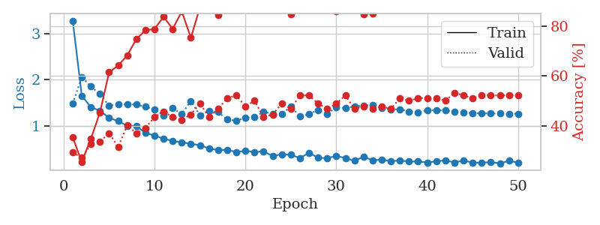
1.293954064 | 2.023715807 | 0.38858695652 | 0.30434782609 | 0.092175483704 | 38.858695652 | 30.434782609
1.1060513543 | 1.7441248427 | 0.54347826087 | 0.32608695652 | 0.086642980576 | 54.347826087 | 32.608695652
1.0100167057 | 1.6417909083 | 0.67119565217 | 0.35869565217 | 0.087822914124 | 67.119565217 | 35.869565217
0.98397391516 | 1.705945072 | 0.65217391304 | 0.39130434783 | 0.085951089859 | 65.217391304 | 39.130434783
0.97768745733 | 1.6015802466 | 0.75543478261 | 0.35869565217 | 0.08615064621 | 75.543478261 | 35.869565217
0.86715231253 | 1.6959248418 | 0.76358695652 | 0.30434782609 | 0.086466550827 | 76.358695652 | 30.434782609
0.76363583363 | 1.7459847098 | 0.7527173913 | 0.35869565217 | 0.097738742828 | 75.27173913 | 35.869565217
0.72158615097 | 1.6883710519 | 0.77717391304 | 0.33695652174 | 0.097370862961 | 77.717391304 | 33.695652174
0.78769023263 | 1.8122944987 | 0.72826086957 | 0.34782608696 | 0.086333990097 | 72.826086957 | 34.782608696
0.70954536614 | 1.7510221419 | 0.78804347826 | 0.40217391304 | 0.085575580597 | 78.804347826 | 40.217391304
0.71783338941 | 1.709738042 | 0.78260869565 | 0.40217391304 | 0.088050127029 | 78.260869565 | 40.217391304
0.64995030864 | 1.8403118486 | 0.7472826087 | 0.34782608696 | 0.08774638176 | 74.72826087 | 34.782608696
0.62175362266 | 1.6765522646 | 0.79619565217 | 0.38043478261 | 0.085806846619 | 79.619565217 | 38.043478261
0.55343943834 | 1.9209650807 | 0.73641304348 | 0.38043478261 | 0.086143493652 | 73.641304348 | 38.043478261
0.57913271111 | 1.8996718759 | 0.76902173913 | 0.36956521739 | 0.086724996567 | 76.902173913 | 36.956521739
0.58711815658 | 1.4921550906 | 0.84510869565 | 0.35869565217 | 0.086001634598 | 84.510869565 | 35.869565217
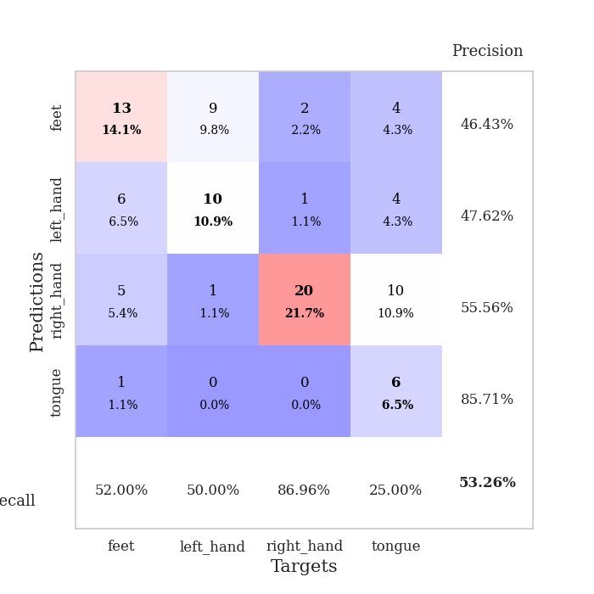
0.56981830364 | 1.7684909416 | 0.83152173913 | 0.38043478261 | 0.086062669754 | 83.152173913 | 38.043478261
0.46985741024 | 1.9692525345 | 0.77173913043 | 0.34782608696 | 0.086135864258 | 77.173913043 | 34.782608696
0.44484118016 | 1.8894976844 | 0.82880434783 | 0.38043478261 | 0.090604305267 | 82.880434783 | 38.043478261
0.40060020076 | 1.9972425751 | 0.82065217391 | 0.38043478261 | 0.086582183838 | 82.065217391 | 38.043478261
0.32804865422 | 1.865115798 | 0.83423913043 | 0.41304347826 | 0.089588403702 | 83.423913043 | 41.304347826
0.39500758927 | 2.1012068728 | 0.79076086957 | 0.34782608696 | 0.086386919022 | 79.076086957 | 34.782608696
0.40590714113 | 2.0111063771 | 0.77173913043 | 0.35869565217 | 0.085745811462 | 77.173913043 | 35.869565217
0.35296206435 | 1.9671984444 | 0.77989130435 | 0.36956521739 | 0.085716247559 | 77.989130435 | 36.956521739
0.36861155895 | 1.8421376477 | 0.83695652174 | 0.39130434783 | 0.086011886597 | 83.695652174 | 39.130434783
0.32002741228 | 1.8849879866 | 0.8152173913 | 0.35869565217 | 0.085676193237 | 81.52173913 | 35.869565217
0.29125814529 | 1.928023328 | 0.76902173913 | 0.38043478261 | 0.085595369339 | 76.902173913 | 38.043478261
0.32226641865 | 2.0071925702 | 0.78260869565 | 0.38043478261 | 0.086091995239 | 78.260869565 | 38.043478261
0.28059938161 | 2.0267307758 | 0.80434782609 | 0.36956521739 | 0.086269855499 | 80.434782609 | 36.956521739
0.25398145648 | 1.9621712954 | 0.81793478261 | 0.39130434783 | 0.085967540741 | 81.793478261 | 39.130434783
0.25192965389 | 1.9208698273 | 0.82608695652 | 0.41304347826 | 0.088651180267 | 82.608695652 | 41.304347826
0.26173520509 | 1.8960396207 | 0.84782608696 | 0.40217391304 | 0.087245225906 | 84.782608696 | 40.217391304
0.26420220506 | 1.8374103567 | 0.84510869565 | 0.41304347826 | 0.086411237717 | 84.510869565 | 41.304347826
0.2559254542 | 1.9359332479 | 0.84239130435 | 0.36956521739 | 0.086821317673 | 84.239130435 | 36.956521739
0.29134466499 | 1.9193314884 | 0.83152173913 | 0.36956521739 | 0.086054563522 | 83.152173913 | 36.956521739
0.24196360098 | 1.8712068848 | 0.85597826087 | 0.36956521739 | 0.086115121841 | 85.597826087 | 36.956521739
0.29135449911 | 1.8926055017 | 0.86141304348 | 0.39130434783 | 0.085953474045 | 86.141304348 | 39.130434783
0.21811145382 | 1.9686813044 | 0.84239130435 | 0.38043478261 | 0.086488723755 | 84.239130435 | 38.043478261
0.28660824344 | 1.9289495323 | 0.86413043478 | 0.40217391304 | 0.09831404686 | 86.413043478 | 40.217391304
0.18018442004 | 1.9208783274 | 0.86956521739 | 0.38043478261 | 0.094507694244 | 86.956521739 | 38.043478261
0.23357868008 | 1.9326955028 | 0.86684782609 | 0.38043478261 | 0.087197303772 | 86.684782609 | 38.043478261
0.22872918067 | 1.9235975328 | 0.8722826087 | 0.36956521739 | 0.08619260788 | 87.22826087 | 36.956521739
0.22067854076 | 1.9261827573 | 0.86684782609 | 0.38043478261 | 0.086599111557 | 86.684782609 | 38.043478261
0.22327341528 | 1.9343813917 | 0.86413043478 | 0.38043478261 | 0.086556196213 | 86.413043478 | 38.043478261
0.17336725379 | 1.9300406394 | 0.86413043478 | 0.39130434783 | 0.086472988129 | 86.413043478 | 39.130434783
0.21591179867 | 1.925918973 | 0.86684782609 | 0.39130434783 | 0.0862596035 | 86.684782609 | 39.130434783
0.22436513898 | 1.923776554 | 0.86956521739 | 0.39130434783 | 0.086274385452 | 86.956521739 | 39.130434783
0.24993876141 | 1.9215772567 | 0.86956521739 | 0.39130434783 | 0.095635890961 | 86.956521739 | 39.130434783

Best Val accuracy is 0.41304347826086957 and Best test accuracy is 0.45689655172413796

Sheet9
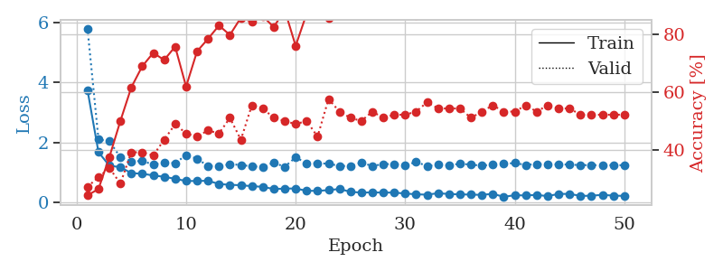
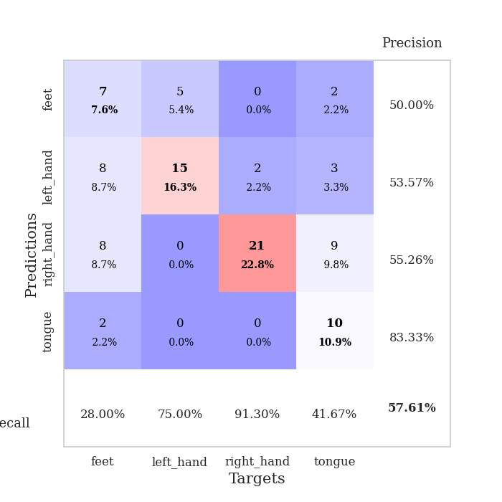
train_loss | valid_loss | train_accuracy | valid_accuracy | dur | train_misclass | valid_misclass
4.321473614 | 5.5047939757 | 0.29076086957 | 0.28260869565 | 0.082505464554 | 29.076086957 | 28.260869565
1.7719731694 | 4.3698266071 | 0.27717391304 | 0.29347826087 | 0.080713272095 | 27.717391304 | 29.347826087
1.4152141965 | 2.8401962778 | 0.34782608696 | 0.33695652174 | 0.08084821701 | 34.782608696 | 33.695652174
1.251565941 | 1.7043207003 | 0.54891304348 | 0.39130434783 | 0.080793619156 | 54.891304348 | 39.130434783
1.1396062193 | 1.5627665779 | 0.61684782609 | 0.39130434783 | 0.080733060837 | 61.684782609 | 39.130434783
1.1022592135 | 1.586390599 | 0.66032608696 | 0.32608695652 | 0.080858707428 | 66.032608696 | 32.608695652
1.0226870127 | 1.6658027068 | 0.64673913043 | 0.35869565217 | 0.080762386322 | 64.673913043 | 35.869565217
0.94235273548 | 1.5614874726 | 0.69565217391 | 0.36956521739 | 0.080632686615 | 69.565217391 | 36.956521739
0.93470470802 | 1.6060714774 | 0.69565217391 | 0.36956521739 | 0.0806016922 | 69.565217391 | 36.956521739
0.88964624249 | 1.603425482 | 0.64130434783 | 0.38043478261 | 0.081318616867 | 64.130434783 | 38.043478261
0.75982008939 | 1.5402732673 | 0.70652173913 | 0.40217391304 | 0.081030368805 | 70.652173913 | 40.217391304
0.80838651761 | 1.5493160797 | 0.72554347826 | 0.36956521739 | 0.081279993057 | 72.554347826 | 36.956521739
0.72289971424 | 1.5486585161 | 0.70652173913 | 0.41304347826 | 0.081134557724 | 70.652173913 | 41.304347826
0.68694292786 | 1.4660014225 | 0.73641304348 | 0.4347826087 | 0.081204891205 | 73.641304348 | 43.47826087
0.6871688962 | 1.4087440864 | 0.75815217391 | 0.44565217391 | 0.081349849701 | 75.815217391 | 44.565217391
0.6480842751 | 1.3418412882 | 0.79076086957 | 0.47826086957 | 0.081371307373 | 79.076086957 | 47.826086957
0.6167065877 | 1.3626752522 | 0.79347826087 | 0.44565217391 | 0.081078290939 | 79.347826087 | 44.565217391
0.62249493599 | 1.260998275 | 0.75815217391 | 0.45652173913 | 0.080997467041 | 75.815217391 | 45.652173913
0.56332499242 | 1.3894874531 | 0.82336956522 | 0.45652173913 | 0.081012487411 | 82.336956522 | 45.652173913
0.46276595217 | 1.4955040268 | 0.67663043478 | 0.5 | 0.081217765808 | 67.663043478 | 50
0.51176238449 | 1.3309788341 | 0.8152173913 | 0.47826086957 | 0.081186294556 | 81.52173913 | 47.826086957
0.53383824488 | 1.3431472623 | 0.80706521739 | 0.45652173913 | 0.080932378769 | 80.706521739 | 45.652173913
0.45098919454 | 1.3701499286 | 0.84239130435 | 0.51086956522 | 0.081147909164 | 84.239130435 | 51.086956522
0.4123408085 | 1.156859061 | 0.8722826087 | 0.52173913043 | 0.081227064133 | 87.22826087 | 52.173913043
0.50022817047 | 1.1439176487 | 0.89402173913 | 0.5652173913 | 0.081384181976 | 89.402173913 | 56.52173913
0.455599205 | 1.2547435035 | 0.83967391304 | 0.47826086957 | 0.081536054611 | 83.967391304 | 47.826086957
0.41119993057 | 1.2282641089 | 0.84510869565 | 0.48913043478 | 0.081143140793 | 84.510869565 | 48.913043478
0.39512318535 | 1.2788474767 | 0.86413043478 | 0.5 | 0.081017255783 | 86.413043478 | 50
0.3631872998 | 1.3408588741 | 0.79619565217 | 0.5 | 0.0812458992 | 79.619565217 | 50
0.38897345571 | 1.3787167383 | 0.83152173913 | 0.5 | 0.080979347229 | 83.152173913 | 50
0.35648329362 | 1.4603300665 | 0.79347826087 | 0.47826086957 | 0.081189155579 | 79.347826087 | 47.826086957
0.33539664033 | 1.3829837623 | 0.82336956522 | 0.5 | 0.080999851227 | 82.336956522 | 50
0.30718640432 | 1.3925979293 | 0.78532608696 | 0.53260869565 | 0.080998420715 | 78.532608696 | 53.260869565
0.33483331456 | 1.3583019143 | 0.82880434783 | 0.54347826087 | 0.080986499786 | 82.880434783 | 54.347826087
0.30518960823 | 1.353094272 | 0.83152173913 | 0.53260869565 | 0.080804109573 | 83.152173913 | 53.260869565
0.28005463533 | 1.3492351459 | 0.83967391304 | 0.52173913043 | 0.0811855793 | 83.967391304 | 52.173913043
0.30263074585 | 1.373008982 | 0.83695652174 | 0.53260869565 | 0.080955028534 | 83.695652174 | 53.260869565
0.26007782344 | 1.361937072 | 0.84510869565 | 0.52173913043 | 0.081076145172 | 84.510869565 | 52.173913043
0.30070911348 | 1.3432440758 | 0.83423913043 | 0.54347826087 | 0.080939769745 | 83.423913043 | 54.347826087
0.29661934531 | 1.3815809903 | 0.83152173913 | 0.53260869565 | 0.081439256668 | 83.152173913 | 53.260869565
0.27601447539 | 1.358261777 | 0.83967391304 | 0.55434782609 | 0.081140041351 | 83.967391304 | 55.434782609
0.26957796352 | 1.3567779427 | 0.84239130435 | 0.54347826087 | 0.081004858017 | 84.239130435 | 54.347826087
0.31786481842 | 1.3873725819 | 0.83967391304 | 0.53260869565 | 0.081116914749 | 83.967391304 | 53.260869565
0.24474595066 | 1.3656578427 | 0.85326086957 | 0.55434782609 | 0.081104516983 | 85.326086957 | 55.434782609
0.29565903868 | 1.3478652291 | 0.85326086957 | 0.54347826087 | 0.081115484238 | 85.326086957 | 54.347826087
0.27550131957 | 1.342526016 | 0.85326086957 | 0.54347826087 | 0.080995082855 | 85.326086957 | 54.347826087
0.28321445571 | 1.3359992867 | 0.85326086957 | 0.54347826087 | 0.080947399139 | 85.326086957 | 54.347826087
0.26390975438 | 1.3297191081 | 0.85869565217 | 0.55434782609 | 0.081201314926 | 85.869565217 | 55.434782609
0.23657684935 | 1.3254500887 | 0.85869565217 | 0.55434782609 | 0.081165075302 | 85.869565217 | 55.434782609
0.25495355366 | 1.3225004569 | 0.86141304348 | 0.55434782609 | 0.081068277359 | 86.141304348 | 55.434782609

Best Val accuracy is 0.5652173913043478 and Best test accuracy is 0.5948275862068966
train_loss | valid_loss | train_accuracy | valid_accuracy | dur | train_misclass | valid_misclass
3.7423137012 | 5.7904163858 | 0.24184782609 | 0.27173913043 | 0.092039585114 | 24.184782609 | 27.173913043
1.6780776692 | 2.1031304494 | 0.26358695652 | 0.30434782609 | 0.086156129837 | 26.358695652 | 30.434782609
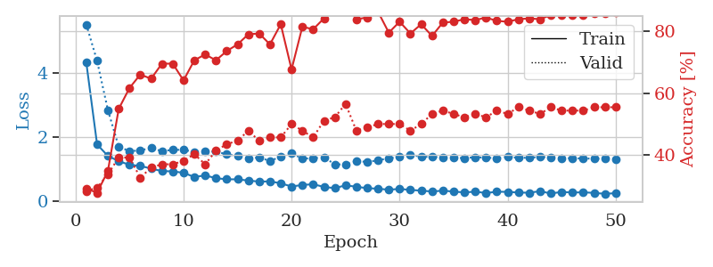
1.2259238699 | 2.0397401426 | 0.375 | 0.33695652174 | 0.086038351059 | 37.5 | 33.695652174
1.1782776221 | 1.5098378814 | 0.5 | 0.28260869565 | 0.086064100266 | 50 | 28.260869565
0.97928314105 | 1.3619059532 | 0.61684782609 | 0.39130434783 | 0.085621833801 | 61.684782609 | 39.130434783
0.95965288774 | 1.3885792286 | 0.6902173913 | 0.39130434783 | 0.085752725601 | 69.02173913 | 39.130434783
0.90259513648 | 1.2607750323 | 0.73641304348 | 0.38043478261 | 0.085834503174 | 73.641304348 | 38.043478261
0.85765470629 | 1.3391877879 | 0.71195652174 | 0.4347826087 | 0.085974931717 | 71.195652174 | 43.47826087
0.79015454391 | 1.3093633963 | 0.75815217391 | 0.48913043478 | 0.087801933289 | 75.815217391 | 48.913043478
0.71854004264 | 1.5825878693 | 0.61956521739 | 0.45652173913 | 0.085697650909 | 61.956521739 | 45.652173913
0.71789231378 | 1.456777101 | 0.74184782609 | 0.44565217391 | 0.086086034775 | 74.184782609 | 44.565217391
0.72589004169 | 1.2192090102 | 0.78532608696 | 0.46739130435 | 0.087786912918 | 78.532608696 | 46.739130435
0.61790835857 | 1.2060483901 | 0.83152173913 | 0.45652173913 | 0.086681604385 | 83.152173913 | 45.652173913
0.59063836414 | 1.2759587661 | 0.79891304348 | 0.51086956522 | 0.086019277573 | 79.891304348 | 51.086956522
0.57653847013 | 1.2517979612 | 0.85869565217 | 0.4347826087 | 0.0862865448 | 85.869565217 | 43.47826087
0.54597489147 | 1.2043806833 | 0.84510869565 | 0.55434782609 | 0.086103916168 | 84.510869565 | 55.434782609
0.52326488236 | 1.1897205944 | 0.86413043478 | 0.54347826087 | 0.089078426361 | 86.413043478 | 54.347826087
0.4501480039 | 1.3293389186 | 0.82608695652 | 0.51086956522 | 0.086352586746 | 82.608695652 | 51.086956522
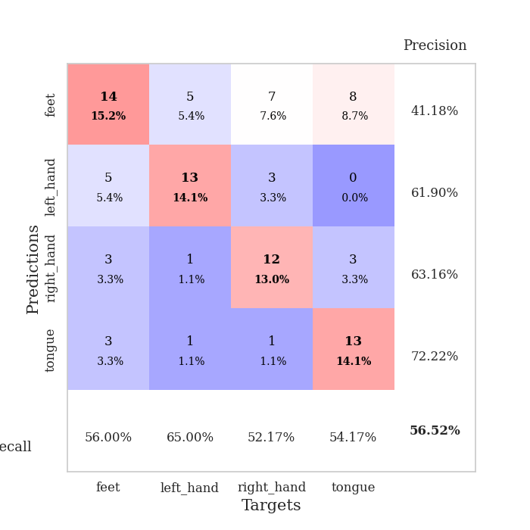
0.46518269635 | 1.1883108953 | 0.88586956522 | 0.5 | 0.088329315186 | 88.586956522 | 50
0.46849758146 | 1.5083311485 | 0.76086956522 | 0.48913043478 | 0.094729185104 | 76.086956522 | 48.913043478
0.39137298387 | 1.3050790196 | 0.8722826087 | 0.5 | 0.087229728699 | 87.22826087 | 50
0.38973683508 | 1.3100245517 | 0.8777173913 | 0.44565217391 | 0.086829423904 | 87.77173913 | 44.565217391
0.41305786566 | 1.292070451 | 0.85597826087 | 0.57608695652 | 0.086272716522 | 85.597826087 | 57.608695652
0.45294011903 | 1.2202006734 | 0.88586956522 | 0.53260869565 | 0.08668756485 | 88.586956522 | 53.260869565
0.35696285769 | 1.2129068841 | 0.88858695652 | 0.51086956522 | 0.086465120316 | 88.858695652 | 51.086956522
0.3314507351 | 1.326024807 | 0.89945652174 | 0.5 | 0.08615064621 | 89.945652174 | 50
0.33834193453 | 1.2182659066 | 0.92119565217 | 0.53260869565 | 0.086148262024 | 92.119565217 | 53.260869565
0.33145907197 | 1.2792088519 | 0.89673913043 | 0.51086956522 | 0.094749450684 | 89.673913043 | 51.086956522
0.33231931698 | 1.2822010413 | 0.89130434783 | 0.52173913043 | 0.08614897728 | 89.130434783 | 52.173913043
0.29996998673 | 1.2368397894 | 0.90217391304 | 0.52173913043 | 0.10041880608 | 90.217391304 | 52.173913043
0.27575141191 | 1.3494344483 | 0.86684782609 | 0.53260869565 | 0.090948104858 | 86.684782609 | 53.260869565
0.26123959539 | 1.2180768951 | 0.90489130435 | 0.5652173913 | 0.085702896118 | 90.489130435 | 56.52173913
0.31302846677 | 1.2553128678 | 0.90760869565 | 0.54347826087 | 0.085960626602 | 90.760869565 | 54.347826087
0.28257929793 | 1.2416847685 | 0.91032608696 | 0.54347826087 | 0.085960626602 | 91.032608696 | 54.347826087
0.27316584989 | 1.2923578775 | 0.89945652174 | 0.54347826087 | 0.086168050766 | 89.945652174 | 54.347826087
0.26483048596 | 1.2620066042 | 0.91032608696 | 0.51086956522 | 0.085931062698 | 91.032608696 | 51.086956522
0.25521201576 | 1.2270449866 | 0.92663043478 | 0.53260869565 | 0.08738732338 | 92.663043478 | 53.260869565
0.29108925812 | 1.2669194393 | 0.91304347826 | 0.55434782609 | 0.085734605789 | 91.304347826 | 55.434782609
0.18902783452 | 1.2862448252 | 0.90489130435 | 0.53260869565 | 0.086474895477 | 90.489130435 | 53.260869565
0.24666782566 | 1.3165357217 | 0.89673913043 | 0.53260869565 | 0.08647108078 | 89.673913043 | 53.260869565
0.23489906606 | 1.2521211349 | 0.91847826087 | 0.55434782609 | 0.086324214935 | 91.847826087 | 55.434782609
0.25528189216 | 1.2807313463 | 0.91032608696 | 0.53260869565 | 0.086164712906 | 91.032608696 | 53.260869565
0.21349848904 | 1.2701012181 | 0.91847826087 | 0.55434782609 | 0.10020804405 | 91.847826087 | 55.434782609
0.28812689545 | 1.2740861955 | 0.91576086957 | 0.54347826087 | 0.08731842041 | 91.576086957 | 54.347826087
0.28747803669 | 1.2623733023 | 0.92119565217 | 0.54347826087 | 0.086269855499 | 92.119565217 | 54.347826087
0.22251649752 | 1.2470192728 | 0.9347826087 | 0.52173913043 | 0.085799694061 | 93.47826087 | 52.173913043
0.22641415311 | 1.2453545876 | 0.9347826087 | 0.52173913043 | 0.085703611374 | 93.47826087 | 52.173913043
0.25803197337 | 1.2449761137 | 0.9347826087 | 0.52173913043 | 0.085978984833 | 93.47826087 | 52.173913043
0.22925678252 | 1.2444965813 | 0.9347826087 | 0.52173913043 | 0.086022615433 | 93.47826087 | 52.173913043
0.22267559041 | 1.2433999336 | 0.9347826087 | 0.52173913043 | 0.085723400116 | 93.47826087 | 52.173913043

Best Val accuracy is 0.5760869565217391 and Best test accuracy is 0.5603448275862069

Sheet10
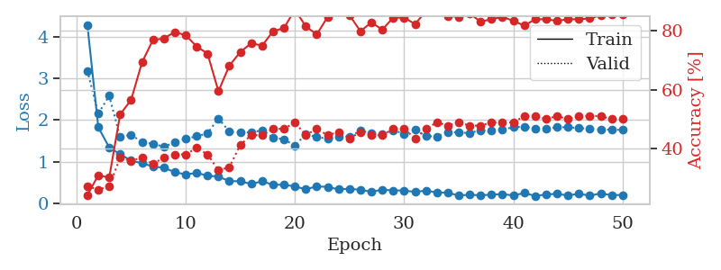
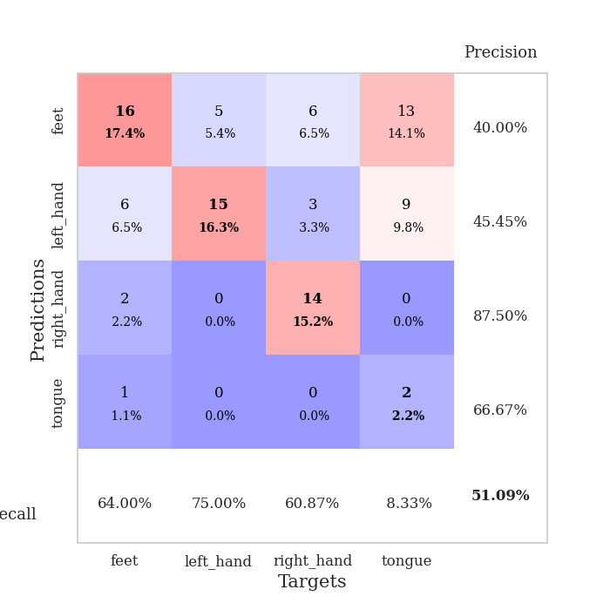
train_loss | valid_loss | train_accuracy | valid_accuracy | dur | train_misclass | valid_misclass
3.7756905659 | 6.7756900787 | 0.25 | 0.25 | 0.08287024498 | 25 | 25
1.6454308603 | 3.4651695231 | 0.32880434783 | 0.32608695652 | 0.081012248993 | 32.880434783 | 32.608695652
1.5740559334 | 4.2566541278 | 0.25543478261 | 0.26086956522 | 0.080985069275 | 25.543478261 | 26.086956522
1.4150421568 | 1.9722557586 | 0.40217391304 | 0.33695652174 | 0.080961942673 | 40.217391304 | 33.695652174
1.1270517448 | 1.4443310577 | 0.52445652174 | 0.34782608696 | 0.080725908279 | 52.445652174 | 34.782608696
1.034110077 | 1.5353541011 | 0.52717391304 | 0.34782608696 | 0.080815315247 | 52.717391304 | 34.782608696
0.96903892963 | 1.2930947205 | 0.76358695652 | 0.42391304348 | 0.080682754517 | 76.358695652 | 42.391304348
0.83492609988 | 1.2269837286 | 0.78532608696 | 0.44565217391 | 0.08079123497 | 78.532608696 | 44.565217391
0.74668078837 | 1.2266394988 | 0.77445652174 | 0.45652173913 | 0.080779314041 | 77.445652174 | 45.652173913
0.78573585464 | 1.2029668559 | 0.80163043478 | 0.47826086957 | 0.080733060837 | 80.163043478 | 47.826086957
0.71677908949 | 1.3383006894 | 0.71195652174 | 0.46739130435 | 0.081162452698 | 71.195652174 | 46.739130435
0.68586141389 | 1.2720248958 | 0.73913043478 | 0.46739130435 | 0.080734014511 | 73.913043478 | 46.739130435
0.65520964628 | 1.2117476515 | 0.74456521739 | 0.53260869565 | 0.080683231354 | 74.456521739 | 53.260869565
0.60603285613 | 1.191806052 | 0.80163043478 | 0.5652173913 | 0.080703258514 | 80.163043478 | 56.52173913
0.5804883598 | 1.0908232305 | 0.84782608696 | 0.52173913043 | 0.080768108368 | 84.782608696 | 52.173913043
0.5789244784 | 1.122994086 | 0.84782608696 | 0.52173913043 | 0.080695152283 | 84.782608696 | 52.173913043
0.5475613138 | 1.1041682233 | 0.86141304348 | 0.52173913043 | 0.080778360367 | 86.141304348 | 52.173913043
0.50879139162 | 1.1267107155 | 0.83152173913 | 0.52173913043 | 0.080935239792 | 83.152173913 | 52.173913043
0.51646127649 | 1.1206824831 | 0.86141304348 | 0.51086956522 | 0.080592393875 | 86.141304348 | 51.086956522
0.46029366294 | 1.1409908896 | 0.85597826087 | 0.5652173913 | 0.080665588379 | 85.597826087 | 56.52173913
0.45510779321 | 1.1789794901 | 0.84782608696 | 0.54347826087 | 0.080527067184 | 84.782608696 | 54.347826087
0.44109880471 | 1.351182155 | 0.77717391304 | 0.53260869565 | 0.080653429031 | 77.717391304 | 53.260869565
0.43914641569 | 1.1911407087 | 0.82608695652 | 0.55434782609 | 0.080678939819 | 82.608695652 | 55.434782609
0.40673485755 | 1.1029116226 | 0.91032608696 | 0.57608695652 | 0.080797672272 | 91.032608696 | 57.608695652
0.36758454014 | 1.2441987058 | 0.89130434783 | 0.54347826087 | 0.080903768539 | 89.130434783 | 54.347826087
0.38042812438 | 1.3737671479 | 0.83967391304 | 0.5 | 0.080561161041 | 83.967391304 | 50
0.45241446923 | 1.2144240556 | 0.88858695652 | 0.58695652174 | 0.080645084381 | 88.858695652 | 58.695652174
0.37393767289 | 1.1111661196 | 0.93206521739 | 0.53260869565 | 0.08079457283 | 93.206521739 | 53.260869565
0.35361161828 | 1.193723124 | 0.88315217391 | 0.59782608696 | 0.080497741699 | 88.315217391 | 59.782608696
0.34050195502 | 1.1533230699 | 0.90489130435 | 0.54347826087 | 0.080800056458 | 90.489130435 | 54.347826087
0.37337532316 | 1.191724005 | 0.91304347826 | 0.54347826087 | 0.080640077591 | 91.304347826 | 54.347826087
0.31999886716 | 1.1342605456 | 0.94293478261 | 0.55434782609 | 0.080848455429 | 94.293478261 | 55.434782609
0.34548441483 | 1.2153770043 | 0.89945652174 | 0.54347826087 | 0.080857753754 | 89.945652174 | 54.347826087
0.30111369167 | 1.206866311 | 0.92119565217 | 0.57608695652 | 0.08061170578 | 92.119565217 | 57.608695652
0.35447316552 | 1.1760060735 | 0.9347826087 | 0.53260869565 | 0.080699682236 | 93.47826087 | 53.260869565
0.26212015878 | 1.220270105 | 0.90760869565 | 0.55434782609 | 0.080529212952 | 90.760869565 | 55.434782609
0.28728210343 | 1.2365974447 | 0.89402173913 | 0.54347826087 | 0.080654144287 | 89.402173913 | 54.347826087
0.25268900816 | 1.2932833692 | 0.88858695652 | 0.54347826087 | 0.080678462982 | 88.858695652 | 54.347826087
0.25967095015 | 1.2181082653 | 0.92391304348 | 0.57608695652 | 0.080699443817 | 92.391304348 | 57.608695652
0.26001932083 | 1.1938188387 | 0.92663043478 | 0.55434782609 | 0.080644845963 | 92.663043478 | 55.434782609
0.26444613804 | 1.2147885043 | 0.91576086957 | 0.55434782609 | 0.080785989761 | 91.576086957 | 55.434782609
0.29859139511 | 1.2033927026 | 0.92119565217 | 0.54347826087 | 0.080657958984 | 92.119565217 | 54.347826087
0.25529195465 | 1.2139128187 | 0.92391304348 | 0.55434782609 | 0.080719709396 | 92.391304348 | 55.434782609
0.23908297847 | 1.2196646203 | 0.92119565217 | 0.5652173913 | 0.080685377121 | 92.119565217 | 56.52173913
0.29025627673 | 1.2174363655 | 0.92391304348 | 0.5652173913 | 0.080719947815 | 92.391304348 | 56.52173913
0.24473192608 | 1.2189404964 | 0.92391304348 | 0.5652173913 | 0.080980062485 | 92.391304348 | 56.52173913
0.25929487399 | 1.2145027026 | 0.92391304348 | 0.5652173913 | 0.080669403076 | 92.391304348 | 56.52173913
0.25298096855 | 1.2133721217 | 0.92663043478 | 0.5652173913 | 0.081132173538 | 92.663043478 | 56.52173913
0.24649102727 | 1.2112548196 | 0.92663043478 | 0.5652173913 | 0.081090450287 | 92.663043478 | 56.52173913
0.27977113069 | 1.2088642224 | 0.92934782609 | 0.5652173913 | 0.08114695549 | 92.934782609 | 56.52173913

Best Val accuracy is 0.5978260869565217 and Best test accuracy is 0.6551724137931034
train_loss | valid_loss | train_accuracy | valid_accuracy | dur | train_misclass | valid_misclass
4.2929714141 | 3.1876797572 | 0.24184782609 | 0.27173913043 | 0.088732481003 | 24.184782609 | 27.173913043
1.8247092755 | 2.1554583259 | 0.3097826087 | 0.26086956522 | 0.086836576462 | 30.97826087 | 26.086956522
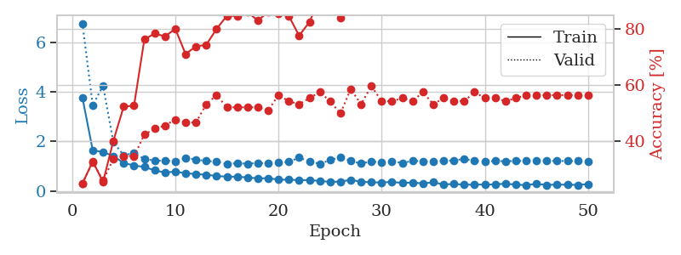
1.3404507948 | 2.5832230215 | 0.30163043478 | 0.27173913043 | 0.08629488945 | 30.163043478 | 27.173913043
1.1787374331 | 1.5880301724 | 0.51630434783 | 0.36956521739 | 0.086289167404 | 51.630434783 | 36.956521739
1.0232590437 | 1.6470838008 | 0.5652173913 | 0.35869565217 | 0.086864471436 | 56.52173913 | 35.869565217
0.95959833653 | 1.4644347688 | 0.69293478261 | 0.36956521739 | 0.085739135742 | 69.293478261 | 36.956521739
0.88142929388 | 1.4292011105 | 0.76902173913 | 0.34782608696 | 0.086408853531 | 76.902173913 | 34.782608696
0.85241166923 | 1.3583338623 | 0.77445652174 | 0.36956521739 | 0.088972806931 | 77.445652174 | 36.956521739
0.74532870106 | 1.4604500221 | 0.79619565217 | 0.38043478261 | 0.086390256882 | 79.619565217 | 38.043478261
0.69161908069 | 1.5492963635 | 0.78532608696 | 0.38043478261 | 0.089026451111 | 78.532608696 | 38.043478261
0.72632395314 | 1.6077948705 | 0.7472826087 | 0.40217391304 | 0.096079349518 | 74.72826087 | 40.217391304
0.66198021433 | 1.6798784318 | 0.72282608696 | 0.38043478261 | 0.087080717087 | 72.282608696 | 38.043478261
0.63606340471 | 2.0386844614 | 0.59510869565 | 0.32608695652 | 0.085337638855 | 59.510869565 | 32.608695652
0.53036115545 | 1.718967189 | 0.68206521739 | 0.33695652174 | 0.085602760315 | 68.206521739 | 33.695652174
0.52602632409 | 1.7100113734 | 0.72826086957 | 0.41304347826 | 0.085652112961 | 72.826086957 | 41.304347826
0.45961603393 | 1.6987501486 | 0.75815217391 | 0.44565217391 | 0.088813781738 | 75.815217391 | 44.565217391
0.52565996154 | 1.7580493637 | 0.75 | 0.44565217391 | 0.085743427277 | 75 | 44.565217391
0.44094035742 | 1.5791595449 | 0.79891304348 | 0.46739130435 | 0.091914415359 | 79.891304348 | 46.739130435
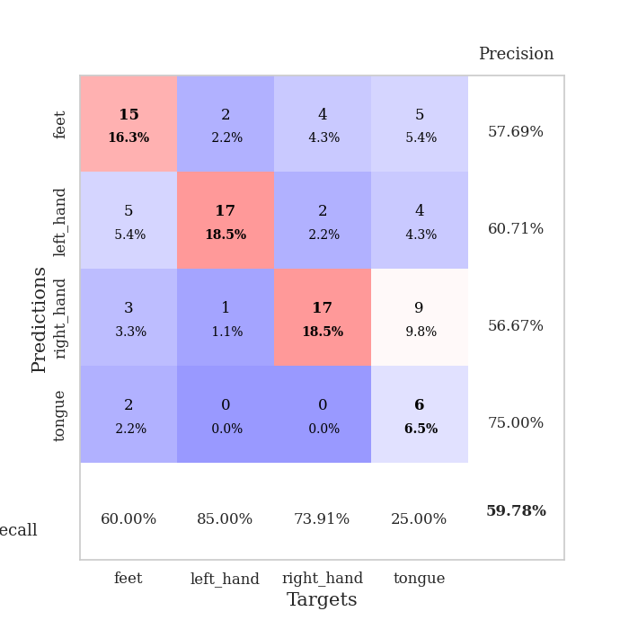
0.44427571089 | 1.5348068268 | 0.8097826087 | 0.46739130435 | 0.088106393814 | 80.97826087 | 46.739130435
0.40058460054 | 1.3826435131 | 0.8722826087 | 0.48913043478 | 0.086122751236 | 87.22826087 | 48.913043478
0.33471089731 | 1.662130133 | 0.8152173913 | 0.44565217391 | 0.087245225906 | 81.52173913 | 44.565217391
0.40187655843 | 1.5874060911 | 0.78804347826 | 0.46739130435 | 0.088384866714 | 78.804347826 | 46.739130435
0.39068194835 | 1.5543899225 | 0.84782608696 | 0.44565217391 | 0.086182117462 | 84.782608696 | 44.565217391
0.32974040962 | 1.5864348101 | 0.8777173913 | 0.45652173913 | 0.088750839233 | 87.77173913 | 45.652173913
0.34678647116 | 1.5980856678 | 0.85326086957 | 0.4347826087 | 0.086174964905 | 85.326086957 | 43.47826087
0.31804773244 | 1.7439647291 | 0.79891304348 | 0.45652173913 | 0.085943937302 | 79.891304348 | 45.652173913
0.27477131752 | 1.6834544669 | 0.82880434783 | 0.44565217391 | 0.085771083832 | 82.880434783 | 44.565217391
0.32244838483 | 1.6547554472 | 0.80434782609 | 0.44565217391 | 0.085546970367 | 80.434782609 | 44.565217391
0.30550888116 | 1.7576200858 | 0.84510869565 | 0.46739130435 | 0.085299968719 | 84.510869565 | 46.739130435
0.30396032495 | 1.6650917582 | 0.84510869565 | 0.46739130435 | 0.085715293884 | 84.510869565 | 46.739130435
0.26882764211 | 1.7642349679 | 0.82336956522 | 0.4347826087 | 0.085282087326 | 82.336956522 | 43.47826087
0.30316935301 | 1.6144031649 | 0.86684782609 | 0.46739130435 | 0.085614204407 | 86.684782609 | 46.739130435
0.25556545575 | 1.6057042557 | 0.86956521739 | 0.48913043478 | 0.085699558258 | 86.956521739 | 48.913043478
0.25205119311 | 1.7095571653 | 0.85054347826 | 0.47826086957 | 0.085879564285 | 85.054347826 | 47.826086957
0.18151801258 | 1.7009990526 | 0.84782608696 | 0.48913043478 | 0.085601091385 | 84.782608696 | 48.913043478
0.20406803942 | 1.6852540918 | 0.85869565217 | 0.47826086957 | 0.085398435593 | 85.869565217 | 47.826086957
0.18587712101 | 1.7564496061 | 0.83152173913 | 0.47826086957 | 0.085680484772 | 83.152173913 | 47.826086957
0.2061606218 | 1.7428875384 | 0.83967391304 | 0.48913043478 | 0.085472106934 | 83.967391304 | 48.913043478
0.21573547112 | 1.7702806566 | 0.84782608696 | 0.48913043478 | 0.085610389709 | 84.782608696 | 48.913043478
0.1847972618 | 1.8257829625 | 0.83423913043 | 0.48913043478 | 0.086226940155 | 83.423913043 | 48.913043478
0.24397451981 | 1.8408936521 | 0.81793478261 | 0.51086956522 | 0.086097240448 | 81.793478261 | 51.086956522
0.17205407228 | 1.8000250692 | 0.83967391304 | 0.51086956522 | 0.086182594299 | 83.967391304 | 51.086956522
0.20728275147 | 1.7893449224 | 0.83967391304 | 0.5 | 0.089780330658 | 83.967391304 | 50
0.2251156588 | 1.8254228468 | 0.83423913043 | 0.51086956522 | 0.085826396942 | 83.423913043 | 51.086956522
0.18234718996 | 1.8287306972 | 0.83967391304 | 0.5 | 0.085750341415 | 83.967391304 | 50
0.22675984142 | 1.8052252168 | 0.83967391304 | 0.51086956522 | 0.085937738419 | 83.967391304 | 51.086956522
0.17814769774 | 1.7860417573 | 0.84239130435 | 0.51086956522 | 0.086236000061 | 84.239130435 | 51.086956522
0.23488414093 | 1.7735327534 | 0.85326086957 | 0.51086956522 | 0.085263729095 | 85.326086957 | 51.086956522
0.18970865238 | 1.7662795834 | 0.85597826087 | 0.5 | 0.085489273071 | 85.597826087 | 50
0.19807479158 | 1.7619914283 | 0.85597826087 | 0.5 | 0.085649251938 | 85.597826087 | 50

Best Val accuracy is 0.5108695652173914 and Best test accuracy is 0.47413793103448276

