Sheet
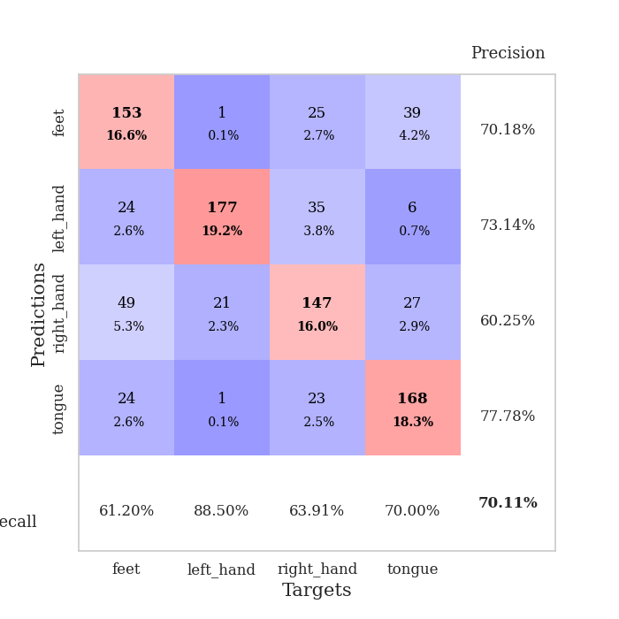
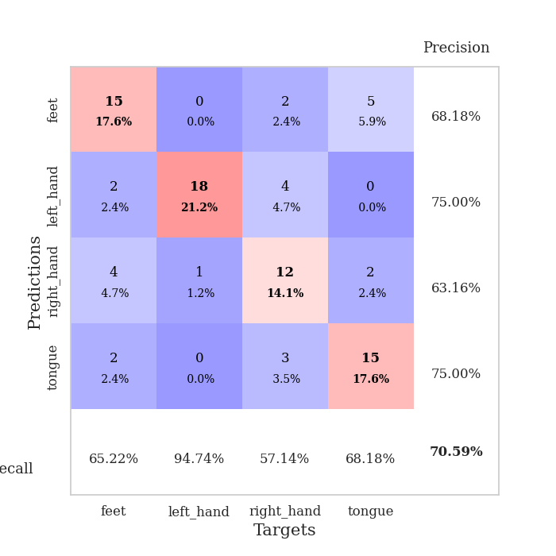
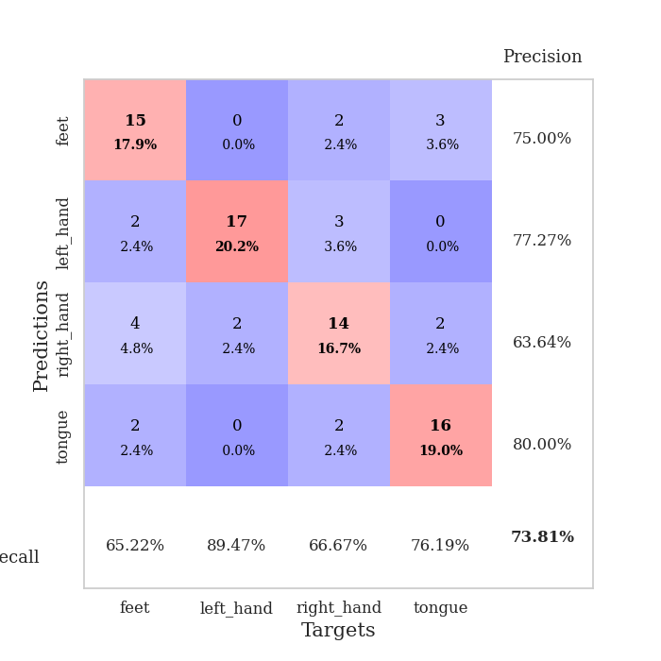
best_val_acc | best_val_los | best_test_acc
0.69565217391 | 0.84051286397 | 0.56896551724
0.63043478261 | 1.0857018725 | 0.5775862069
0.54347826087 | 1.2650908335 | 0.56896551724
0.69565217391 | 0.96671414894 | 0.62931034483
0.71739130435 | 0.89436304828 | 0.62931034483
0.70652173913 | 0.9731265747 | 0.56034482759
0.67391304348 | 0.9044992224 | 0.62068965517
0.76086956522 | 0.82681707455 | 0.66379310345
0.71739130435 | 0.91603257604 | 0.60344827586
0.6847826087 | 0.90179228264 | 0.66379310345

Mean,std Val accuracy is 0.682608695652174 , 0.05926986970051748 and mean, std test accuracy is 0.6086206896551725 , 0.03880906440490607
best_val_acc | best_val_los | best_test_acc
0.71739130435 | 0.806543174 | 0.68103448276
0.69565217391 | 0.92991250753 | 0.66379310345
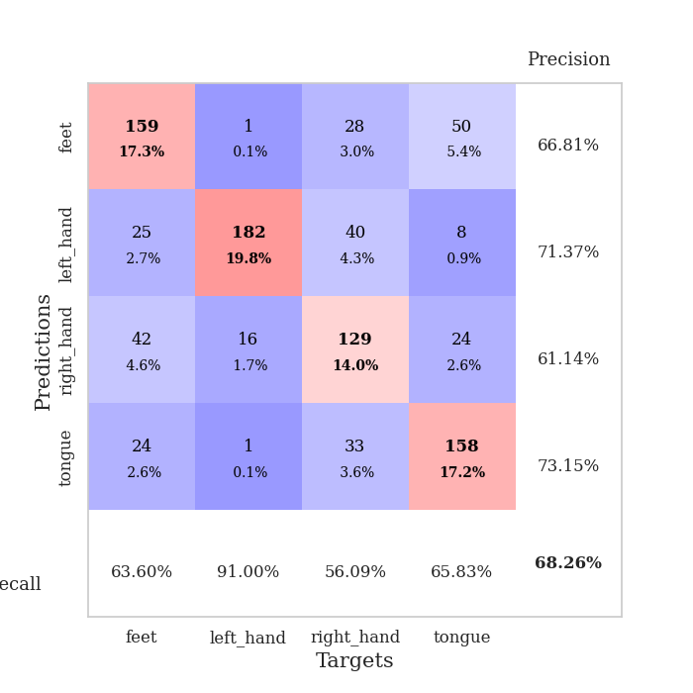
0.67391304348 | 0.90112498014 | 0.64655172414
0.63043478261 | 0.95495548456 | 0.56896551724
0.77173913043 | 0.68312310136 | 0.64655172414
0.73913043478 | 0.8679403559 | 0.66379310345
0.72826086957 | 0.91590650704 | 0.65517241379
0.66304347826 | 1.0598265762 | 0.56034482759
0.67391304348 | 0.96611147082 | 0.62931034483
0.71739130435 | 0.83464323956 | 0.69827586207

Mean,std Val accuracy is 0.7010869565217391 , 0.041706030555149765 and mean, std test accuracy is 0.6413793103448275 , 0.04473908150811165

Sheet1
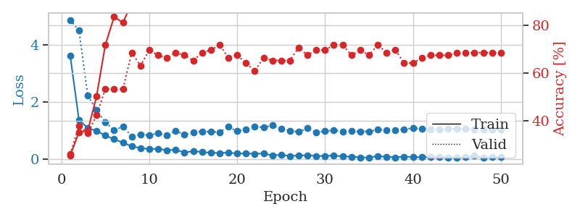
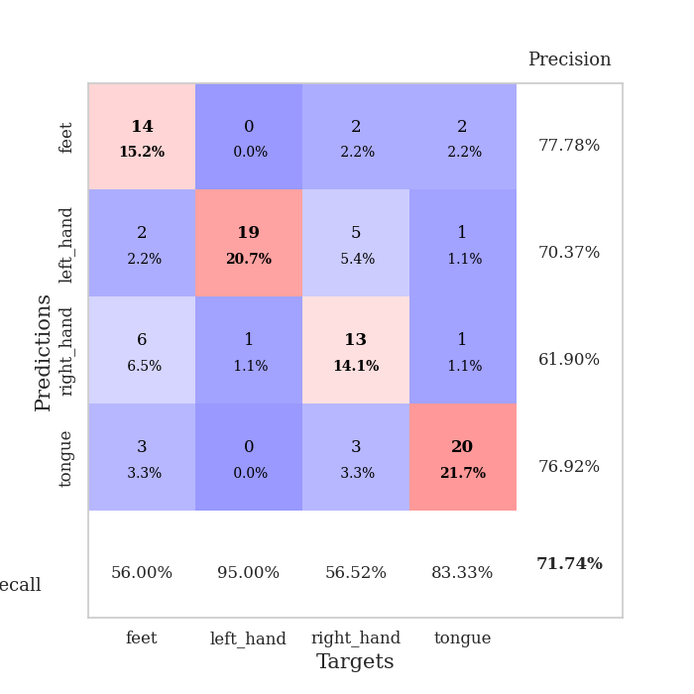
train_loss | valid_loss | train_accuracy | valid_accuracy | dur | train_misclass | valid_misclass
2.4456832564 | 8.6176802386 | 0.25543478261 | 0.27173913043 | 0.083031415939 | 25.543478261 | 27.173913043
1.3895051091 | 4.5063755201 | 0.32065217391 | 0.34782608696 | 0.080907821655 | 32.065217391 | 34.782608696
1.0687610948 | 2.6279935733 | 0.39673913043 | 0.34782608696 | 0.080781459808 | 39.673913043 | 34.782608696
0.95934903881 | 1.1791151555 | 0.70380434783 | 0.44565217391 | 0.080542564392 | 70.380434783 | 44.565217391
0.87832939625 | 1.0463138378 | 0.75 | 0.5 | 0.080635070801 | 75 | 50
0.7916479629 | 1.0023591285 | 0.82336956522 | 0.5652173913 | 0.08062338829 | 82.336956522 | 56.52173913
0.62898884519 | 0.92997286631 | 0.76630434783 | 0.64130434783 | 0.080912590027 | 76.630434783 | 64.130434783
0.61251920591 | 0.96463786778 | 0.84782608696 | 0.59782608696 | 0.080693244934 | 84.782608696 | 59.782608696
0.57232346872 | 0.93721226506 | 0.86956521739 | 0.60869565217 | 0.080508470535 | 86.956521739 | 60.869565217
0.52456670287 | 0.84051286397 | 0.89945652174 | 0.69565217391 | 0.080548524857 | 89.945652174 | 69.565217391
0.43254483718 | 1.1026743961 | 0.76358695652 | 0.61956521739 | 0.080706596375 | 76.358695652 | 61.956521739
0.47175442589 | 0.94626465569 | 0.78804347826 | 0.65217391304 | 0.080567598343 | 78.804347826 | 65.217391304
0.40914958327 | 0.94957914041 | 0.89130434783 | 0.65217391304 | 0.080714702606 | 89.130434783 | 65.217391304
0.36822738952 | 0.92608579345 | 0.84239130435 | 0.65217391304 | 0.080525159836 | 84.239130435 | 65.217391304
0.28360192121 | 1.2179850236 | 0.77717391304 | 0.58695652174 | 0.080540895462 | 77.717391304 | 58.695652174
0.32537981026 | 1.0146268088 | 0.92119565217 | 0.61956521739 | 0.080475568771 | 92.119565217 | 61.956521739
0.25025006189 | 1.0547291274 | 0.86684782609 | 0.60869565217 | 0.08066534996 | 86.684782609 | 60.869565217
0.21041986265 | 0.91033453268 | 0.92119565217 | 0.67391304348 | 0.080664396286 | 92.119565217 | 67.391304348
0.24889906658 | 1.2070257042 | 0.79619565217 | 0.61956521739 | 0.081187725067 | 79.619565217 | 61.956521739
0.21308844958 | 0.96906577245 | 0.91032608696 | 0.63043478261 | 0.080816745758 | 91.032608696 | 63.043478261
0.25653561788 | 1.1711481188 | 0.80706521739 | 0.60869565217 | 0.080808639526 | 80.706521739 | 60.869565217
0.18397801386 | 1.1413755417 | 0.8097826087 | 0.60869565217 | 0.080940961838 | 80.97826087 | 60.869565217
0.20332196501 | 1.0776624991 | 0.89130434783 | 0.63043478261 | 0.080993890762 | 89.130434783 | 63.043478261
0.16329218172 | 1.2370332583 | 0.84239130435 | 0.63043478261 | 0.081016540527 | 84.239130435 | 63.043478261
0.19608749806 | 1.0068144099 | 0.92934782609 | 0.64130434783 | 0.081089019775 | 92.934782609 | 64.130434783
0.17366496441 | 1.0667502725 | 0.91304347826 | 0.63043478261 | 0.081038951874 | 91.304347826 | 63.043478261
0.17206573956 | 1.1308167603 | 0.91576086957 | 0.61956521739 | 0.080922365189 | 91.576086957 | 61.956521739
0.12172997447 | 1.1711858563 | 0.89402173913 | 0.60869565217 | 0.080965042114 | 89.402173913 | 60.869565217
0.14680788601 | 1.2122051871 | 0.89673913043 | 0.63043478261 | 0.080941677094 | 89.673913043 | 63.043478261
0.13345163453 | 1.2578262505 | 0.86684782609 | 0.63043478261 | 0.08096909523 | 86.684782609 | 63.043478261
0.10640232799 | 1.1558448957 | 0.90489130435 | 0.65217391304 | 0.081054449081 | 90.489130435 | 65.217391304
0.13580950147 | 1.1914126536 | 0.91847826087 | 0.63043478261 | 0.081202983856 | 91.847826087 | 63.043478261
0.098658405568 | 1.1795320615 | 0.90217391304 | 0.65217391304 | 0.080764293671 | 90.217391304 | 65.217391304
0.13225613057 | 1.197771684 | 0.89402173913 | 0.64130434783 | 0.080846309662 | 89.402173913 | 64.130434783
0.10328048601 | 1.14587251 | 0.90217391304 | 0.63043478261 | 0.080769538879 | 90.217391304 | 63.043478261
0.097462340258 | 1.229687784 | 0.88315217391 | 0.61956521739 | 0.080970525742 | 88.315217391 | 61.956521739
0.11449687402 | 1.0995950388 | 0.9347826087 | 0.64130434783 | 0.080728292465 | 93.47826087 | 64.130434783
0.11962364804 | 1.0997298956 | 0.92934782609 | 0.63043478261 | 0.080929279327 | 92.934782609 | 63.043478261
0.10876992345 | 1.1294586011 | 0.91032608696 | 0.61956521739 | 0.080985546112 | 91.032608696 | 61.956521739
0.081025345291 | 1.1834147987 | 0.89673913043 | 0.64130434783 | 0.080887317657 | 89.673913043 | 64.130434783
0.090997680374 | 1.1724379555 | 0.91032608696 | 0.63043478261 | 0.081304788589 | 91.032608696 | 63.043478261
0.085588935034 | 1.1449620309 | 0.92391304348 | 0.64130434783 | 0.081122636795 | 92.391304348 | 64.130434783
0.091103489835 | 1.2091408502 | 0.90217391304 | 0.65217391304 | 0.081065654755 | 90.217391304 | 65.217391304
0.094322410291 | 1.241997242 | 0.88858695652 | 0.64130434783 | 0.080887794495 | 88.858695652 | 64.130434783
0.10558571545 | 1.2236439715 | 0.89402173913 | 0.64130434783 | 0.081099748611 | 89.402173913 | 64.130434783
0.091069051996 | 1.2103320878 | 0.90489130435 | 0.64130434783 | 0.080930709839 | 90.489130435 | 64.130434783
0.086617850456 | 1.2017732133 | 0.91847826087 | 0.64130434783 | 0.081064224243 | 91.847826087 | 64.130434783
0.073182074576 | 1.1959079867 | 0.91847826087 | 0.64130434783 | 0.081032752991 | 91.847826087 | 64.130434783
0.097024861885 | 1.1907611463 | 0.92119565217 | 0.64130434783 | 0.081162214279 | 92.119565217 | 64.130434783
0.082068241971 | 1.1877979455 | 0.92119565217 | 0.64130434783 | 0.081057310104 | 92.119565217 | 64.130434783

Best Val accuracy is 0.6956521739130435 and Best test accuracy is 0.5689655172413793
train_loss | valid_loss | train_accuracy | valid_accuracy | dur | train_misclass | valid_misclass
3.6255275218 | 4.8829871261 | 0.25543478261 | 0.26086956522 | 0.090603590012 | 25.543478261 | 26.086956522
1.3803523235 | 4.5097881815 | 0.35326086957 | 0.38043478261 | 0.086784124374 | 35.326086957 | 38.043478261
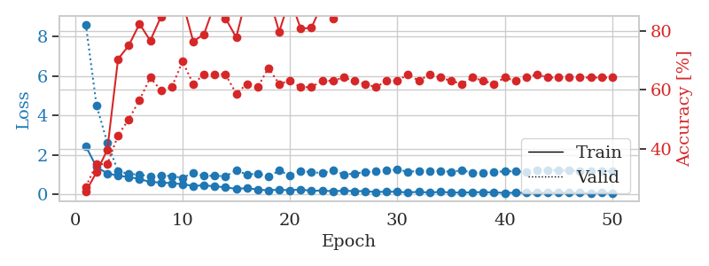
1.1005734983 | 2.241297131 | 0.35869565217 | 0.34782608696 | 0.086634159088 | 35.869565217 | 34.782608696
0.99702613768 | 1.7223531526 | 0.5027173913 | 0.42391304348 | 0.086164712906 | 50.27173913 | 42.391304348
0.83894637097 | 1.298341352 | 0.71739130435 | 0.53260869565 | 0.086628913879 | 71.739130435 | 53.260869565
0.70727080495 | 1.023878551 | 0.83423913043 | 0.53260869565 | 0.086451053619 | 83.423913043 | 53.260869565
0.58916720035 | 1.1538582885 | 0.8097826087 | 0.53260869565 | 0.086317539215 | 80.97826087 | 53.260869565
0.455602515 | 0.806543174 | 0.89130434783 | 0.6847826087 | 0.086557626724 | 89.130434783 | 68.47826087
0.40234354009 | 0.87445884425 | 0.88858695652 | 0.63043478261 | 0.089745521545 | 88.858695652 | 63.043478261
0.36016356945 | 0.85173331395 | 0.86684782609 | 0.69565217391 | 0.10074782372 | 86.684782609 | 69.565217391
0.37726520909 | 0.91923189163 | 0.92663043478 | 0.67391304348 | 0.090671777725 | 92.663043478 | 67.391304348
0.31893523944 | 0.83603768504 | 0.95108695652 | 0.66304347826 | 0.086122989655 | 95.108695652 | 66.304347826
0.34296027863 | 1.0007240461 | 0.89402173913 | 0.6847826087 | 0.087291717529 | 89.402173913 | 68.47826087
0.2376166642 | 0.87296107282 | 0.94836956522 | 0.67391304348 | 0.085944652557 | 94.836956522 | 67.391304348
0.29537721723 | 0.94249582291 | 0.92934782609 | 0.65217391304 | 0.085757017136 | 92.934782609 | 65.217391304
0.25764732873 | 0.98154570227 | 0.89673913043 | 0.6847826087 | 0.085601329803 | 89.673913043 | 68.47826087
0.23483426027 | 0.97179999559 | 0.9402173913 | 0.69565217391 | 0.085554838181 | 94.02173913 | 69.565217391
0.22444963034 | 0.95487200696 | 0.91847826087 | 0.71739130435 | 0.085854768753 | 91.847826087 | 71.739130435
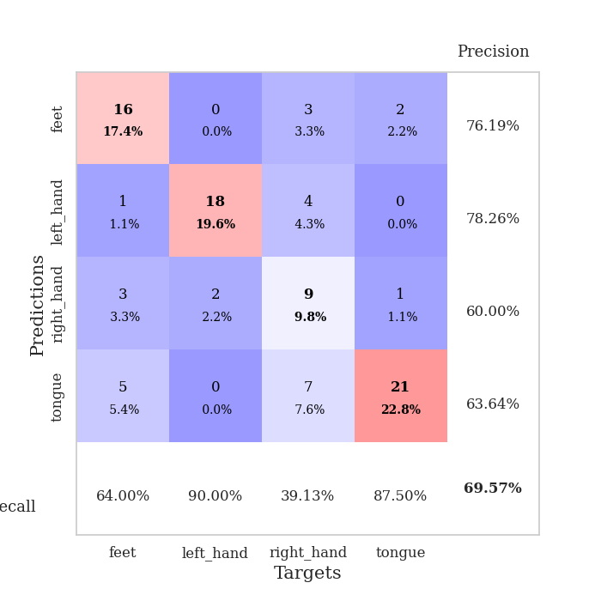
0.24220392132 | 1.1412612925 | 0.93206521739 | 0.66304347826 | 0.085005760193 | 93.206521739 | 66.304347826
0.20322642686 | 0.98891696463 | 0.9375 | 0.67391304348 | 0.084488868713 | 93.75 | 67.391304348
0.21140567602 | 1.0461233103 | 0.9347826087 | 0.64130434783 | 0.087333679199 | 93.47826087 | 64.130434783
0.20006958492 | 1.143665661 | 0.89673913043 | 0.60869565217 | 0.08554816246 | 89.673913043 | 60.869565217
0.20675653738 | 1.1257431507 | 0.92391304348 | 0.66304347826 | 0.086100101471 | 92.391304348 | 66.304347826
0.14242437611 | 1.1876244908 | 0.89130434783 | 0.65217391304 | 0.086066484451 | 89.130434783 | 65.217391304
0.16172878865 | 1.0795224128 | 0.9375 | 0.65217391304 | 0.085280895233 | 93.75 | 65.217391304
0.12065439202 | 1.0007331423 | 0.91304347826 | 0.65217391304 | 0.085568904877 | 91.304347826 | 65.217391304
0.13968382723 | 0.96369400232 | 0.9347826087 | 0.70652173913 | 0.090210914612 | 93.47826087 | 70.652173913
0.145915391 | 1.0915274335 | 0.9375 | 0.67391304348 | 0.086097478867 | 93.75 | 67.391304348
0.12212905191 | 0.94208170927 | 0.97282608696 | 0.69565217391 | 0.086272478104 | 97.282608696 | 69.565217391
0.1223726484 | 0.98590142312 | 0.99184782609 | 0.69565217391 | 0.086429595947 | 99.184782609 | 69.565217391
0.14027237941 | 1.0226902936 | 0.97826086957 | 0.71739130435 | 0.08617067337 | 97.826086957 | 71.739130435
0.10268132834 | 0.98069933186 | 0.98641304348 | 0.71739130435 | 0.085822820663 | 98.641304348 | 71.739130435
0.098520054644 | 0.9861129937 | 0.95923913043 | 0.67391304348 | 0.08581829071 | 95.923913043 | 67.391304348
0.070310265109 | 0.97930446397 | 0.97554347826 | 0.69565217391 | 0.085874319077 | 97.554347826 | 69.565217391
0.068599328601 | 0.98343168393 | 0.97282608696 | 0.67391304348 | 0.086141109467 | 97.282608696 | 67.391304348
0.11523077827 | 1.0378639387 | 0.94836956522 | 0.71739130435 | 0.08561706543 | 94.836956522 | 71.739130435
0.09395098589 | 1.0280095287 | 0.95380434783 | 0.6847826087 | 0.085850477219 | 95.380434783 | 68.47826087
0.072312492715 | 1.0343622721 | 0.95652173913 | 0.69565217391 | 0.085947990417 | 95.652173913 | 69.565217391
0.097318224285 | 1.0553895339 | 0.94565217391 | 0.64130434783 | 0.086050271988 | 94.565217391 | 64.130434783
0.084667216703 | 1.0967790873 | 0.92934782609 | 0.64130434783 | 0.086084127426 | 92.934782609 | 64.130434783
0.076858000293 | 1.0757374245 | 0.95923913043 | 0.66304347826 | 0.085967063904 | 95.923913043 | 66.304347826
0.081108032361 | 1.0528356666 | 0.96467391304 | 0.67391304348 | 0.085906982422 | 96.467391304 | 67.391304348
0.075077443141 | 1.043640484 | 0.96195652174 | 0.67391304348 | 0.086100101471 | 96.195652174 | 67.391304348
0.069328943875 | 1.0637008677 | 0.95380434783 | 0.67391304348 | 0.085737705231 | 95.380434783 | 67.391304348
0.071639054576 | 1.0682886787 | 0.95380434783 | 0.6847826087 | 0.085736036301 | 95.380434783 | 68.47826087
0.081667175962 | 1.0619202852 | 0.95652173913 | 0.6847826087 | 0.085866212845 | 95.652173913 | 68.47826087
0.12703016821 | 1.0558538022 | 0.95652173913 | 0.6847826087 | 0.0857462883 | 95.652173913 | 68.47826087
0.067730095399 | 1.0539506156 | 0.95923913043 | 0.6847826087 | 0.087550163269 | 95.923913043 | 68.47826087
0.07923594842 | 1.0525560275 | 0.96195652174 | 0.6847826087 | 0.088408470154 | 96.195652174 | 68.47826087
0.08212464732 | 1.0512016208 | 0.96467391304 | 0.6847826087 | 0.10368824005 | 96.467391304 | 68.47826087

Best Val accuracy is 0.717391304347826 and Best test accuracy is 0.6810344827586207

Sheet2
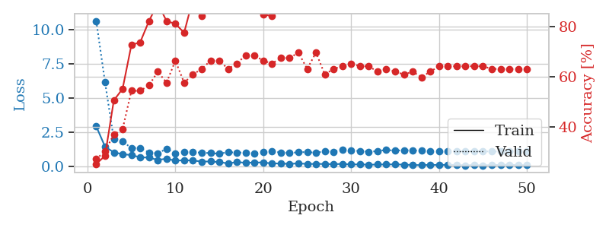
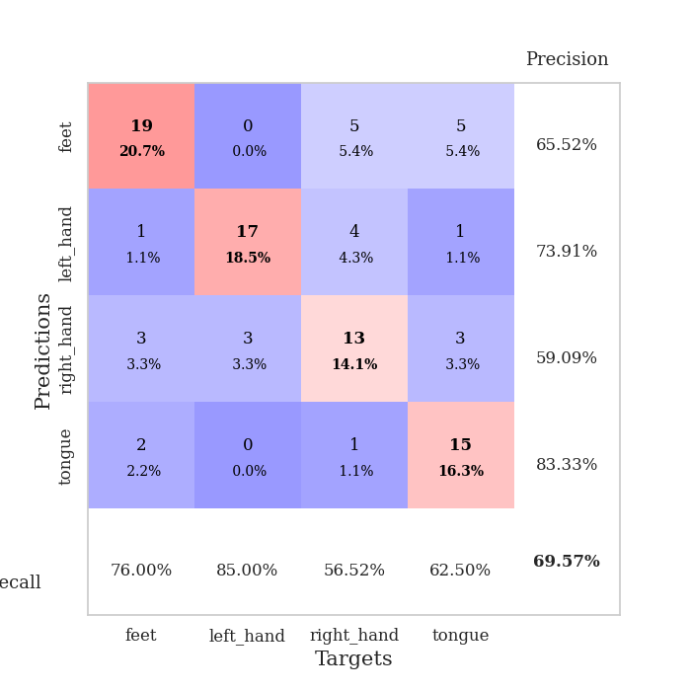
train_loss | valid_loss | train_accuracy | valid_accuracy | dur | train_misclass | valid_misclass
3.3999879257 | 8.8056975862 | 0.25815217391 | 0.28260869565 | 0.080874919891 | 25.815217391 | 28.260869565
1.2973311725 | 6.3542255526 | 0.28532608696 | 0.30434782609 | 0.079929113388 | 28.532608696 | 30.434782609
0.97438270242 | 4.3072546669 | 0.34510869565 | 0.41304347826 | 0.080038070679 | 34.510869565 | 41.304347826
0.83255098436 | 1.9427791678 | 0.60597826087 | 0.53260869565 | 0.080140829086 | 60.597826087 | 53.260869565
0.80478032128 | 1.5686653282 | 0.75 | 0.57608695652 | 0.08012509346 | 75 | 57.608695652
0.67459739421 | 1.1637495704 | 0.86413043478 | 0.60869565217 | 0.080122470856 | 86.413043478 | 60.869565217
0.62928399962 | 1.2048900179 | 0.86141304348 | 0.63043478261 | 0.080041408539 | 86.141304348 | 63.043478261
0.48800401973 | 1.261143192 | 0.8152173913 | 0.5652173913 | 0.080256938934 | 81.52173913 | 56.52173913
0.61389803368 | 1.1028070346 | 0.82065217391 | 0.60869565217 | 0.080357789993 | 82.065217391 | 60.869565217
0.61036841571 | 1.3908259869 | 0.7472826087 | 0.52173913043 | 0.080299139023 | 74.72826087 | 52.173913043
0.53902233165 | 1.1682983766 | 0.8097826087 | 0.53260869565 | 0.080451488495 | 80.97826087 | 53.260869565
0.50069429563 | 1.1487562708 | 0.84239130435 | 0.59782608696 | 0.080430984497 | 84.239130435 | 59.782608696
0.43455538413 | 1.1178727539 | 0.89945652174 | 0.58695652174 | 0.080398797989 | 89.945652174 | 58.695652174
0.40384302256 | 1.227707868 | 0.82336956522 | 0.53260869565 | 0.089844226837 | 82.336956522 | 53.260869565
0.43440957951 | 1.1422475188 | 0.84782608696 | 0.57608695652 | 0.085481643677 | 84.782608696 | 57.608695652
0.38285425629 | 1.1758798154 | 0.86413043478 | 0.58695652174 | 0.081506490707 | 86.413043478 | 58.695652174
0.35782860965 | 1.0857018725 | 0.85597826087 | 0.57608695652 | 0.080674648285 | 85.597826087 | 57.608695652
0.34332023302 | 1.127449585 | 0.82065217391 | 0.55434782609 | 0.080786705017 | 82.065217391 | 55.434782609
0.2770697536 | 1.1051396494 | 0.86413043478 | 0.58695652174 | 0.080868244171 | 86.413043478 | 58.695652174
0.29917750767 | 1.2562728602 | 0.73369565217 | 0.53260869565 | 0.08096241951 | 73.369565217 | 53.260869565
0.24704488666 | 1.2167741371 | 0.79076086957 | 0.57608695652 | 0.080884456635 | 79.076086957 | 57.608695652
0.28222752719 | 1.1978009317 | 0.82065217391 | 0.57608695652 | 0.08084654808 | 82.065217391 | 57.608695652
0.22596275612 | 1.3400112442 | 0.76358695652 | 0.55434782609 | 0.08069229126 | 76.358695652 | 55.434782609
0.25404153894 | 1.3679293031 | 0.73913043478 | 0.54347826087 | 0.081115484238 | 73.913043478 | 54.347826087
0.29889361593 | 1.5137094052 | 0.69836956522 | 0.52173913043 | 0.080856323242 | 69.836956522 | 52.173913043
0.18130160674 | 1.2844066309 | 0.79347826087 | 0.58695652174 | 0.080789327621 | 79.347826087 | 58.695652174
0.19255569982 | 1.3299538156 | 0.76902173913 | 0.59782608696 | 0.081195116043 | 76.902173913 | 59.782608696
0.1763831377 | 1.3244881423 | 0.77445652174 | 0.5652173913 | 0.081031799316 | 77.445652174 | 56.52173913
0.2031874587 | 1.3272003402 | 0.8125 | 0.57608695652 | 0.080688714981 | 81.25 | 57.608695652
0.18341027297 | 1.3093663506 | 0.83423913043 | 0.57608695652 | 0.080879688263 | 83.423913043 | 57.608695652
0.20374298322 | 1.3092265388 | 0.82336956522 | 0.55434782609 | 0.08071231842 | 82.336956522 | 55.434782609
0.18536449191 | 1.4027453661 | 0.79347826087 | 0.52173913043 | 0.080783367157 | 79.347826087 | 52.173913043
0.23291071812 | 1.3655056902 | 0.79891304348 | 0.53260869565 | 0.080755472183 | 79.891304348 | 53.260869565
0.17640962533 | 1.3906705224 | 0.79619565217 | 0.53260869565 | 0.080973386765 | 79.619565217 | 53.260869565
0.11243096334 | 1.4108467983 | 0.79347826087 | 0.5 | 0.080860137939 | 79.347826087 | 50
0.16809241919 | 1.4327044072 | 0.78532608696 | 0.54347826087 | 0.080780744553 | 78.532608696 | 54.347826087
0.13753188239 | 1.4442419332 | 0.78532608696 | 0.51086956522 | 0.080637454987 | 78.532608696 | 51.086956522
0.15228876277 | 1.4719174064 | 0.76630434783 | 0.54347826087 | 0.080778837204 | 76.630434783 | 54.347826087
0.15032416007 | 1.506833149 | 0.76630434783 | 0.52173913043 | 0.080734014511 | 76.630434783 | 52.173913043
0.14045069108 | 1.4908478312 | 0.78260869565 | 0.53260869565 | 0.080751419067 | 78.260869565 | 53.260869565
0.10921702688 | 1.4802078371 | 0.77445652174 | 0.54347826087 | 0.080861330032 | 77.445652174 | 54.347826087
0.11434438808 | 1.4580774981 | 0.79076086957 | 0.54347826087 | 0.080803394318 | 79.076086957 | 54.347826087
0.14046622521 | 1.4110487751 | 0.79891304348 | 0.5652173913 | 0.080829143524 | 79.891304348 | 56.52173913
0.1323636618 | 1.3859865976 | 0.82065217391 | 0.5652173913 | 0.08075928688 | 82.065217391 | 56.52173913
0.13170634404 | 1.3697950374 | 0.82880434783 | 0.57608695652 | 0.080718755722 | 82.880434783 | 57.608695652
0.10172748177 | 1.3669273594 | 0.82608695652 | 0.57608695652 | 0.080731153488 | 82.608695652 | 57.608695652
0.13175068865 | 1.363641656 | 0.82880434783 | 0.57608695652 | 0.080790519714 | 82.880434783 | 57.608695652
0.094015632554 | 1.3608884241 | 0.82880434783 | 0.57608695652 | 0.080868959427 | 82.880434783 | 57.608695652
0.11383868819 | 1.3570744577 | 0.83152173913 | 0.57608695652 | 0.080728292465 | 83.152173913 | 57.608695652
0.11065670492 | 1.3535253846 | 0.83152173913 | 0.57608695652 | 0.080772161484 | 83.152173913 | 57.608695652

Best Val accuracy is 0.6304347826086957 and Best test accuracy is 0.5775862068965517
train_loss | valid_loss | train_accuracy | valid_accuracy | dur | train_misclass | valid_misclass
2.9294297747 | 10.635718553 | 0.2527173913 | 0.27173913043 | 0.088687181473 | 25.27173913 | 27.173913043
1.451630455 | 6.1569951306 | 0.28532608696 | 0.30434782609 | 0.086521148682 | 28.532608696 | 30.434782609
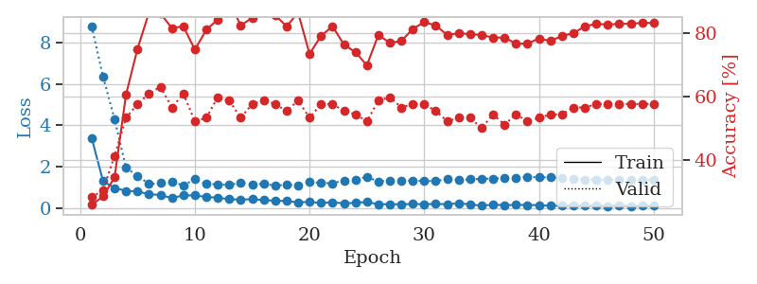
1.0268562799 | 1.9887208524 | 0.50543478261 | 0.36956521739 | 0.10750842094 | 50.543478261 | 36.956521739
0.90022829045 | 1.8337651284 | 0.55163043478 | 0.39130434783 | 0.095668077469 | 55.163043478 | 39.130434783
0.82857010287 | 1.3433632747 | 0.72554347826 | 0.54347826087 | 0.086944818497 | 72.554347826 | 54.347826087
0.66965107944 | 1.3584730677 | 0.73641304348 | 0.54347826087 | 0.086817264557 | 73.641304348 | 54.347826087
0.64771503599 | 1.0217393922 | 0.82065217391 | 0.5652173913 | 0.086348295212 | 82.065217391 | 56.52173913
0.47282366001 | 0.9492270195 | 0.89130434783 | 0.61956521739 | 0.0892598629 | 89.130434783 | 61.956521739
0.57066397822 | 1.3043284364 | 0.82065217391 | 0.57608695652 | 0.088267326355 | 82.065217391 | 57.608695652
0.41766681425 | 0.96722586259 | 0.8097826087 | 0.66304347826 | 0.088943958282 | 80.97826087 | 66.304347826
0.45835982036 | 1.0414573291 | 0.77445652174 | 0.57608695652 | 0.086462974548 | 77.445652174 | 57.608695652
0.43278059687 | 1.0393940729 | 0.90760869565 | 0.60869565217 | 0.092194080353 | 90.760869565 | 60.869565217
0.35980297301 | 1.0067606957 | 0.83967391304 | 0.63043478261 | 0.095412254333 | 83.967391304 | 63.043478261
0.36259115001 | 0.97507266635 | 0.92119565217 | 0.66304347826 | 0.089218378067 | 92.119565217 | 66.304347826
0.31751641712 | 0.92991250753 | 0.91576086957 | 0.66304347826 | 0.085974693298 | 91.576086957 | 66.304347826
0.22153627532 | 1.0501104438 | 0.8777173913 | 0.63043478261 | 0.085806131363 | 87.77173913 | 63.043478261
0.32140657532 | 1.0036849535 | 0.92663043478 | 0.65217391304 | 0.086082220078 | 92.663043478 | 65.217391304
0.26634510347 | 1.0234954461 | 0.90217391304 | 0.6847826087 | 0.0858502388 | 90.217391304 | 68.47826087
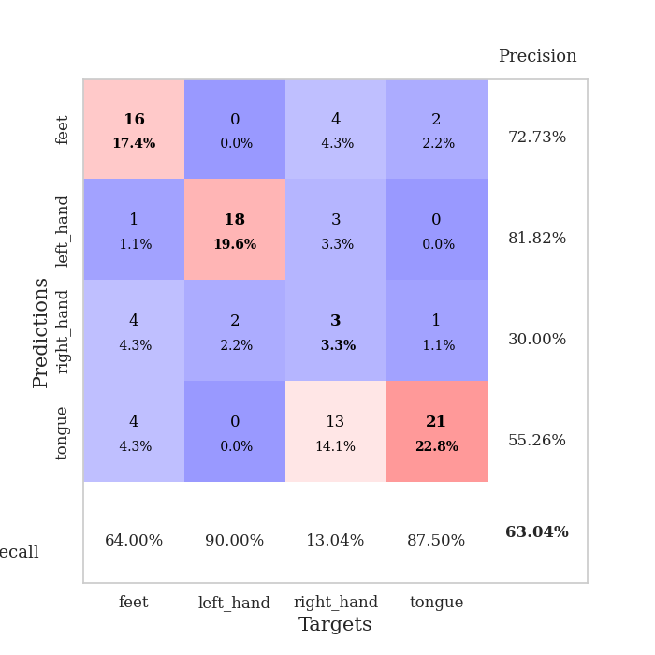
0.28994283598 | 0.96247723051 | 0.91032608696 | 0.6847826087 | 0.086149454117 | 91.032608696 | 68.47826087
0.29154518311 | 1.0692356462 | 0.84782608696 | 0.66304347826 | 0.086095333099 | 84.782608696 | 66.304347826
0.2180360243 | 1.1150665542 | 0.83967391304 | 0.65217391304 | 0.085988044739 | 83.967391304 | 65.217391304
0.21879373005 | 1.0201305462 | 0.88043478261 | 0.67391304348 | 0.086101531982 | 88.043478261 | 67.391304348
0.18607308513 | 0.99263793489 | 0.90217391304 | 0.67391304348 | 0.085396528244 | 90.217391304 | 67.391304348
0.23046394243 | 1.0294676345 | 0.93206521739 | 0.69565217391 | 0.086246967316 | 93.206521739 | 69.565217391
0.18072648654 | 1.0607285448 | 0.88858695652 | 0.63043478261 | 0.086374521255 | 88.858695652 | 63.043478261
0.18887821553 | 0.99515256674 | 0.94293478261 | 0.69565217391 | 0.087434768677 | 94.293478261 | 69.565217391
0.18124745227 | 1.1216043493 | 0.88043478261 | 0.60869565217 | 0.085539579391 | 88.043478261 | 60.869565217
0.16444183092 | 1.0829119112 | 0.94293478261 | 0.63043478261 | 0.085824966431 | 94.293478261 | 63.043478261
0.18863531558 | 1.236871709 | 0.92119565217 | 0.64130434783 | 0.087317466736 | 92.119565217 | 64.130434783
0.14001965507 | 1.1459544534 | 0.91576086957 | 0.65217391304 | 0.086264610291 | 91.576086957 | 65.217391304
0.1562811823 | 1.1388560015 | 0.94565217391 | 0.64130434783 | 0.086267232895 | 94.565217391 | 64.130434783
0.12478706929 | 1.0744001503 | 0.94293478261 | 0.64130434783 | 0.086250305176 | 94.293478261 | 64.130434783
0.14328086652 | 1.1194824602 | 0.88586956522 | 0.61956521739 | 0.087841272354 | 88.586956522 | 61.956521739
0.14575929381 | 1.2081184439 | 0.89945652174 | 0.63043478261 | 0.085472345352 | 89.945652174 | 63.043478261
0.15373659587 | 1.1516304845 | 0.92663043478 | 0.61956521739 | 0.085743904114 | 92.663043478 | 61.956521739
0.13136797965 | 1.1902919282 | 0.88858695652 | 0.60869565217 | 0.085901975632 | 88.858695652 | 60.869565217
0.10902379036 | 1.1643028363 | 0.88586956522 | 0.61956521739 | 0.085907459259 | 88.586956522 | 61.956521739
0.097165588573 | 1.1653671213 | 0.90489130435 | 0.59782608696 | 0.087112188339 | 90.489130435 | 59.782608696
0.11510038303 | 1.1291838781 | 0.91847826087 | 0.61956521739 | 0.085931539536 | 91.847826087 | 61.956521739
0.11008857944 | 1.1006574164 | 0.91304347826 | 0.64130434783 | 0.085988044739 | 91.304347826 | 64.130434783
0.11788945556 | 1.1181692559 | 0.90760869565 | 0.64130434783 | 0.086349010468 | 90.760869565 | 64.130434783
0.11339118996 | 1.1091225873 | 0.90489130435 | 0.64130434783 | 0.089173793793 | 90.489130435 | 64.130434783
0.074623200314 | 1.117066684 | 0.90489130435 | 0.64130434783 | 0.095582485199 | 90.489130435 | 64.130434783
0.11331406276 | 1.1086854054 | 0.92119565217 | 0.64130434783 | 0.08696603775 | 92.119565217 | 64.130434783
0.070904457456 | 1.1010194136 | 0.92119565217 | 0.64130434783 | 0.086243867874 | 92.119565217 | 64.130434783
0.11439647064 | 1.0945813863 | 0.92119565217 | 0.63043478261 | 0.086434841156 | 92.119565217 | 63.043478261
0.10436344037 | 1.0952005231 | 0.92391304348 | 0.63043478261 | 0.087794780731 | 92.391304348 | 63.043478261
0.13192969787 | 1.0939963227 | 0.92934782609 | 0.63043478261 | 0.086193799973 | 92.934782609 | 63.043478261
0.093036684653 | 1.0920913427 | 0.92934782609 | 0.63043478261 | 0.089734554291 | 92.934782609 | 63.043478261
0.09843716163 | 1.090257344 | 0.92934782609 | 0.63043478261 | 0.10070037842 | 92.934782609 | 63.043478261

Best Val accuracy is 0.6956521739130435 and Best test accuracy is 0.6637931034482759

Sheet3
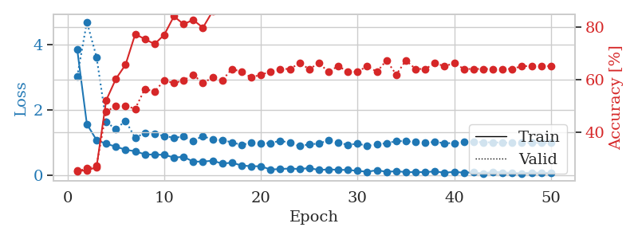
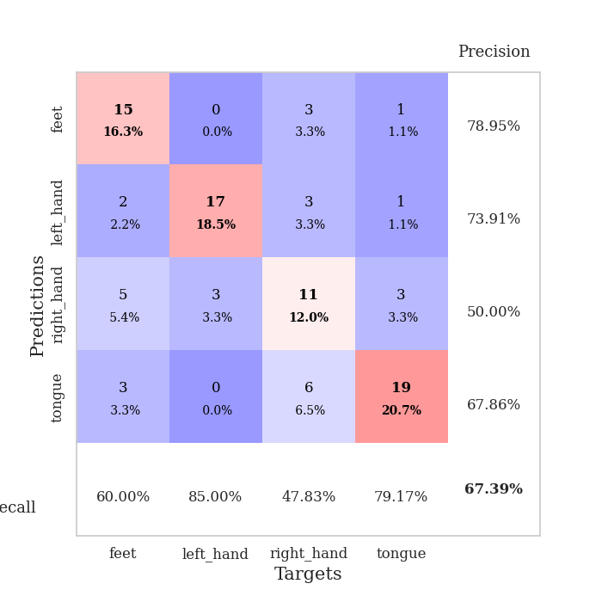
train_loss | valid_loss | train_accuracy | valid_accuracy | dur | train_misclass | valid_misclass
3.1482827197 | 6.036795243 | 0.27173913043 | 0.29347826087 | 0.082338571548 | 27.173913043 | 29.347826087
1.4350498941 | 4.9720253115 | 0.3097826087 | 0.32608695652 | 0.080525636673 | 30.97826087 | 32.608695652
1.0559003846 | 2.7848906413 | 0.4347826087 | 0.39130434783 | 0.081015110016 | 43.47826087 | 39.130434783
0.95527622752 | 2.0679301283 | 0.57880434783 | 0.48913043478 | 0.083152294159 | 57.880434783 | 48.913043478
0.90065239694 | 2.0324326235 | 0.58967391304 | 0.5 | 0.080992460251 | 58.967391304 | 50
0.75130109554 | 1.7463747056 | 0.68206521739 | 0.47826086957 | 0.080794095993 | 68.206521739 | 47.826086957
0.62182350003 | 1.3045842907 | 0.73369565217 | 0.46739130435 | 0.080785989761 | 73.369565217 | 46.739130435
0.58218558586 | 1.2650908335 | 0.76902173913 | 0.51086956522 | 0.080827474594 | 76.902173913 | 51.086956522
0.57333568257 | 1.5859317002 | 0.59239130435 | 0.45652173913 | 0.080906629562 | 59.239130435 | 45.652173913
0.46107327096 | 1.3805859141 | 0.70108695652 | 0.51086956522 | 0.081252574921 | 70.108695652 | 51.086956522
0.49173556722 | 1.4325147349 | 0.67391304348 | 0.47826086957 | 0.080955505371 | 67.391304348 | 47.826086957
0.37146979311 | 1.4019956226 | 0.70652173913 | 0.54347826087 | 0.08097243309 | 70.652173913 | 54.347826087
0.3833600179 | 1.320432098 | 0.72826086957 | 0.5 | 0.081372261047 | 72.826086957 | 50
0.34847605423 | 1.4848172198 | 0.71467391304 | 0.54347826087 | 0.080999135971 | 71.467391304 | 54.347826087
0.33047402229 | 1.5591719151 | 0.69293478261 | 0.53260869565 | 0.081054449081 | 69.293478261 | 53.260869565
0.31365389863 | 1.8773559902 | 0.64402173913 | 0.51086956522 | 0.080947399139 | 64.402173913 | 51.086956522
0.36149124801 | 2.072378143 | 0.6277173913 | 0.45652173913 | 0.080966949463 | 62.77173913 | 45.652173913
0.28520698797 | 1.7482434459 | 0.66576086957 | 0.52173913043 | 0.081388950348 | 66.576086957 | 52.173913043
0.28647657387 | 2.1646430752 | 0.60054347826 | 0.48913043478 | 0.081658840179 | 60.054347826 | 48.913043478
0.24561698832 | 2.1807850081 | 0.58967391304 | 0.5 | 0.082175254822 | 58.967391304 | 50
0.28086512957 | 2.2612550673 | 0.50815217391 | 0.40217391304 | 0.08108997345 | 50.815217391 | 40.217391304
0.21795928332 | 2.0740251697 | 0.58152173913 | 0.48913043478 | 0.081147670746 | 58.152173913 | 48.913043478
0.21775726261 | 1.8337914581 | 0.71467391304 | 0.54347826087 | 0.081206798553 | 71.467391304 | 54.347826087
0.18624011103 | 2.0388710447 | 0.63858695652 | 0.47826086957 | 0.081299543381 | 63.858695652 | 47.826086957
0.20688838091 | 2.3073153444 | 0.57880434783 | 0.47826086957 | 0.08106803894 | 57.880434783 | 47.826086957
0.18074605031 | 1.8934853958 | 0.67934782609 | 0.53260869565 | 0.081130027771 | 67.934782609 | 53.260869565
0.14678148828 | 2.5339154472 | 0.51902173913 | 0.4347826087 | 0.081024169922 | 51.902173913 | 43.47826087
0.17849373915 | 2.4102487875 | 0.55706521739 | 0.42391304348 | 0.081179141998 | 55.706521739 | 42.391304348
0.1923228039 | 2.5421312166 | 0.57065217391 | 0.42391304348 | 0.080985784531 | 57.065217391 | 42.391304348
0.22357481993 | 2.3754338907 | 0.57608695652 | 0.40217391304 | 0.081089735031 | 57.608695652 | 40.217391304
0.16973612619 | 2.5665579982 | 0.52717391304 | 0.41304347826 | 0.081107139587 | 52.717391304 | 41.304347826
0.169704285 | 2.4949352223 | 0.54347826087 | 0.46739130435 | 0.081211566925 | 54.347826087 | 46.739130435
0.23376460147 | 2.1219605207 | 0.63043478261 | 0.47826086957 | 0.081312417984 | 63.043478261 | 47.826086957
0.18446607102 | 2.6065768159 | 0.52717391304 | 0.44565217391 | 0.081139802933 | 52.717391304 | 44.565217391
0.14278547401 | 2.476737945 | 0.54347826087 | 0.4347826087 | 0.081369876862 | 54.347826087 | 43.47826087
0.1497506211 | 2.5866738091 | 0.52717391304 | 0.42391304348 | 0.080987453461 | 52.717391304 | 42.391304348
0.14602956257 | 2.6623647213 | 0.54347826087 | 0.42391304348 | 0.081193685532 | 54.347826087 | 42.391304348
0.13150029111 | 2.5485768629 | 0.54347826087 | 0.42391304348 | 0.081156730652 | 54.347826087 | 42.391304348
0.16456062525 | 2.5135850699 | 0.55706521739 | 0.4347826087 | 0.081201553345 | 55.706521739 | 43.47826087
0.13502424753 | 2.4229064506 | 0.57336956522 | 0.44565217391 | 0.081046581268 | 57.336956522 | 44.565217391
0.12848128131 | 2.3110305537 | 0.60597826087 | 0.45652173913 | 0.081488847733 | 60.597826087 | 45.652173913
0.1261378994 | 2.2897468857 | 0.61141304348 | 0.47826086957 | 0.081135749817 | 61.141304348 | 47.826086957
0.1077409977 | 2.296736795 | 0.60869565217 | 0.47826086957 | 0.081037759781 | 60.869565217 | 47.826086957
0.1201164141 | 2.2809650794 | 0.60869565217 | 0.46739130435 | 0.081205368042 | 60.869565217 | 46.739130435
0.089728745753 | 2.248838461 | 0.63315217391 | 0.46739130435 | 0.081307411194 | 63.315217391 | 46.739130435
0.1308748126 | 2.2500611336 | 0.63858695652 | 0.46739130435 | 0.081294298172 | 63.858695652 | 46.739130435
0.14998193919 | 2.2627859375 | 0.6222826087 | 0.46739130435 | 0.081118822098 | 62.22826087 | 46.739130435
0.13427172488 | 2.2689584234 | 0.6222826087 | 0.46739130435 | 0.081157445908 | 62.22826087 | 46.739130435
0.10823530064 | 2.2618096186 | 0.625 | 0.46739130435 | 0.081477403641 | 62.5 | 46.739130435
0.13370191273 | 2.2560000575 | 0.63043478261 | 0.46739130435 | 0.081204414368 | 63.043478261 | 46.739130435

Best Val accuracy is 0.5434782608695652 and Best test accuracy is 0.5689655172413793
train_loss | valid_loss | train_accuracy | valid_accuracy | dur | train_misclass | valid_misclass
3.8504970592 | 3.0238252826 | 0.2527173913 | 0.25 | 0.088262319565 | 25.27173913 | 25
1.5693815584 | 4.6900203539 | 0.2527173913 | 0.26086956522 | 0.086138725281 | 25.27173913 | 26.086956522
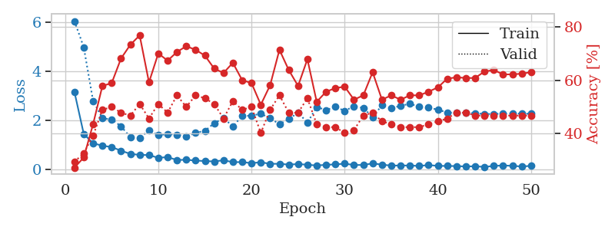
1.084155855 | 3.6155424844 | 0.26630434783 | 0.27173913043 | 0.085906028748 | 26.630434783 | 27.173913043
0.97046316188 | 1.6348763497 | 0.52173913043 | 0.47826086957 | 0.085550785065 | 52.173913043 | 47.826086957
0.88299442892 | 1.416811601 | 0.60326086957 | 0.5 | 0.085327625275 | 60.326086957 | 50
0.78889691052 | 1.673431666 | 0.65760869565 | 0.5 | 0.085997581482 | 65.760869565 | 50
0.74215298761 | 1.1484360954 | 0.77445652174 | 0.48913043478 | 0.085112571716 | 77.445652174 | 48.913043478
0.64702497876 | 1.3081608855 | 0.75543478261 | 0.5652173913 | 0.085503578186 | 75.543478261 | 56.52173913
0.63988719038 | 1.2745646135 | 0.73641304348 | 0.55434782609 | 0.085537433624 | 73.641304348 | 55.434782609
0.6340938068 | 1.2083125114 | 0.77173913043 | 0.59782608696 | 0.085855960846 | 77.173913043 | 59.782608696
0.55132807467 | 1.1545313182 | 0.84239130435 | 0.58695652174 | 0.085564136505 | 84.239130435 | 58.695652174
0.57095995805 | 1.1899297704 | 0.8125 | 0.59782608696 | 0.085536956787 | 81.25 | 59.782608696
0.42663249827 | 1.0602149601 | 0.82880434783 | 0.61956521739 | 0.085454940796 | 82.880434783 | 61.956521739
0.42759723378 | 1.2080825153 | 0.79891304348 | 0.58695652174 | 0.085493087769 | 79.891304348 | 58.695652174
0.45373347466 | 1.0937659533 | 0.86141304348 | 0.60869565217 | 0.08571100235 | 86.141304348 | 60.869565217
0.36643289904 | 1.0841559483 | 0.88586956522 | 0.59782608696 | 0.086274385452 | 88.586956522 | 59.782608696
0.39391751782 | 1.0144557901 | 0.90760869565 | 0.64130434783 | 0.085376977921 | 90.760869565 | 64.130434783
0.30836855296 | 0.93688261509 | 0.91576086957 | 0.63043478261 | 0.085768938065 | 91.576086957 | 63.043478261
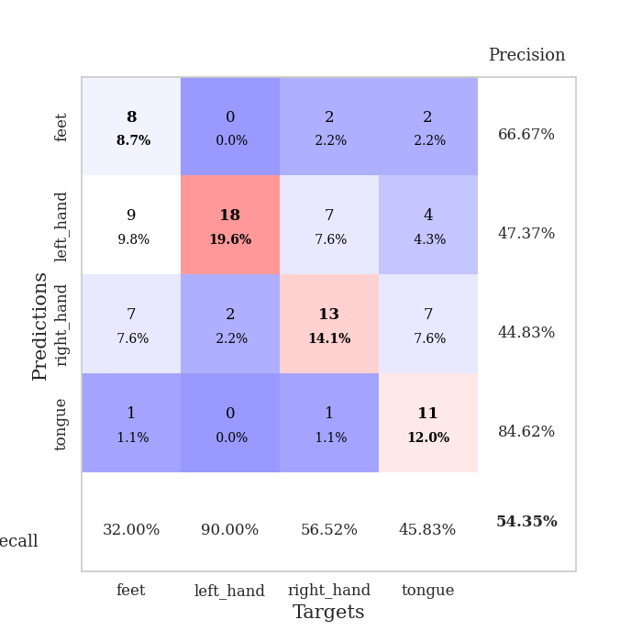
0.28581593056 | 1.0030873599 | 0.88858695652 | 0.60869565217 | 0.085688591003 | 88.858695652 | 60.869565217
0.28381047009 | 0.99080261459 | 0.90760869565 | 0.61956521739 | 0.085241794586 | 90.760869565 | 61.956521739
0.1835627389 | 0.98900519247 | 0.9375 | 0.63043478261 | 0.085585832596 | 93.75 | 63.043478261
0.20099750728 | 1.065739699 | 0.94836956522 | 0.64130434783 | 0.08570933342 | 94.836956522 | 64.130434783
0.21563508313 | 0.9960064888 | 0.96739130435 | 0.64130434783 | 0.088920116425 | 96.739130435 | 64.130434783
0.20006253441 | 0.90112498014 | 0.97554347826 | 0.66304347826 | 0.085721492767 | 97.554347826 | 66.304347826
0.22973869773 | 0.95173086809 | 0.95380434783 | 0.64130434783 | 0.085924386978 | 95.380434783 | 64.130434783
0.17051679609 | 0.97884323027 | 0.94836956522 | 0.66304347826 | 0.085364580154 | 94.836956522 | 66.304347826
0.18888745781 | 1.0758620086 | 0.90760869565 | 0.63043478261 | 0.086006879807 | 90.760869565 | 63.043478261
0.17508882632 | 0.99753568483 | 0.96195652174 | 0.65217391304 | 0.085603952408 | 96.195652174 | 65.217391304
0.17290121495 | 0.94299910379 | 0.98641304348 | 0.63043478261 | 0.08590555191 | 98.641304348 | 63.043478261
0.14306151745 | 0.97274040658 | 0.96195652174 | 0.63043478261 | 0.086119890213 | 96.195652174 | 63.043478261
0.11696629931 | 0.90908468288 | 0.99184782609 | 0.65217391304 | 0.085687637329 | 99.184782609 | 65.217391304
0.16356094392 | 0.9494409924 | 0.95108695652 | 0.63043478261 | 0.085641860962 | 95.108695652 | 63.043478261
0.11529614201 | 0.99013432212 | 0.99456521739 | 0.67391304348 | 0.085620880127 | 99.456521739 | 67.391304348
0.13296472289 | 1.0499030663 | 0.95652173913 | 0.61956521739 | 0.085486888885 | 95.652173913 | 61.956521739
0.10639944551 | 1.0529191494 | 0.96467391304 | 0.67391304348 | 0.085520267487 | 96.467391304 | 67.391304348
0.10404971388 | 1.0195043087 | 0.97826086957 | 0.64130434783 | 0.085810661316 | 97.826086957 | 64.130434783
0.10656327916 | 1.0084107337 | 0.97282608696 | 0.64130434783 | 0.085918903351 | 97.282608696 | 64.130434783
0.12646366623 | 1.0249278908 | 0.96467391304 | 0.66304347826 | 0.086278676987 | 96.467391304 | 66.304347826
0.087697355927 | 0.99116108728 | 0.97282608696 | 0.65217391304 | 0.085629224777 | 97.282608696 | 65.217391304
0.11332298708 | 0.98977001854 | 0.97826086957 | 0.66304347826 | 0.085566997528 | 97.826086957 | 66.304347826
0.088808864558 | 1.0190475454 | 0.97826086957 | 0.64130434783 | 0.086227893829 | 97.826086957 | 64.130434783
0.10093842969 | 1.0337978394 | 0.97010869565 | 0.64130434783 | 0.085392951965 | 97.010869565 | 64.130434783
0.064227207483 | 1.0155678936 | 0.98369565217 | 0.64130434783 | 0.085734844208 | 98.369565217 | 64.130434783
0.11358199973 | 1.014926304 | 0.98097826087 | 0.64130434783 | 0.088365077972 | 98.097826087 | 64.130434783
0.092995123533 | 1.0058003146 | 0.98097826087 | 0.64130434783 | 0.085806369781 | 98.097826087 | 64.130434783
0.083846125023 | 1.0012501996 | 0.98369565217 | 0.64130434783 | 0.085635662079 | 98.369565217 | 64.130434783
0.069085933552 | 0.99672098263 | 0.98369565217 | 0.65217391304 | 0.085648536682 | 98.369565217 | 65.217391304
0.093635995832 | 0.99666543629 | 0.98369565217 | 0.65217391304 | 0.085433244705 | 98.369565217 | 65.217391304
0.080825334577 | 0.99646002832 | 0.98369565217 | 0.65217391304 | 0.087604999542 | 98.369565217 | 65.217391304
0.083667996137 | 0.99610240045 | 0.98369565217 | 0.65217391304 | 0.085604190826 | 98.369565217 | 65.217391304

Best Val accuracy is 0.6739130434782609 and Best test accuracy is 0.646551724137931

Sheet4
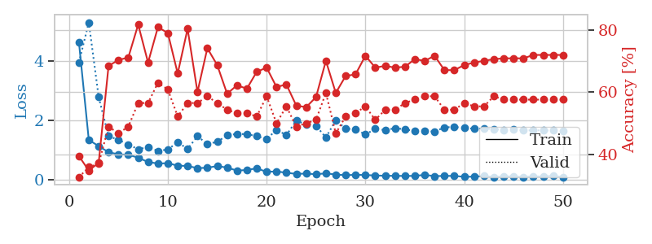
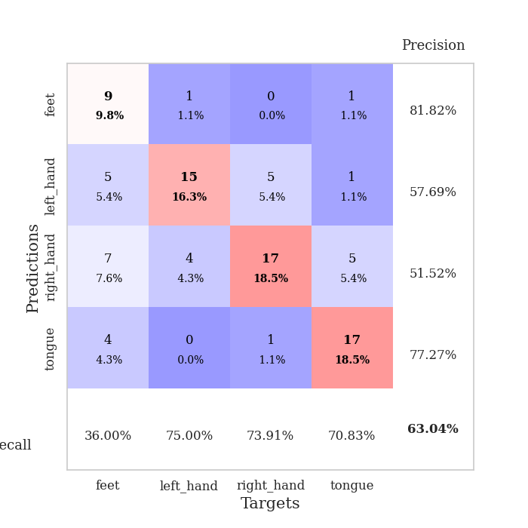
train_loss | valid_loss | train_accuracy | valid_accuracy | dur | train_misclass | valid_misclass
3.5756626544 | 4.0287863379 | 0.26358695652 | 0.29347826087 | 0.081511735916 | 26.358695652 | 29.347826087
1.6258988199 | 5.3789566911 | 0.2527173913 | 0.26086956522 | 0.080124139786 | 25.27173913 | 26.086956522
1.2205159897 | 2.4606653193 | 0.35054347826 | 0.35869565217 | 0.082103729248 | 35.054347826 | 35.869565217
1.1036230844 | 1.6477241879 | 0.45652173913 | 0.40217391304 | 0.07937002182 | 45.652173913 | 40.217391304
0.87887583738 | 1.3346992213 | 0.64130434783 | 0.5 | 0.0799036026 | 64.130434783 | 50
0.77791331514 | 0.97558873892 | 0.78804347826 | 0.5652173913 | 0.07993888855 | 78.804347826 | 56.52173913
0.70152104938 | 1.0233349074 | 0.8125 | 0.5652173913 | 0.079786777496 | 81.25 | 56.52173913
0.64603705445 | 0.96671414894 | 0.82608695652 | 0.58695652174 | 0.079744577408 | 82.608695652 | 58.695652174
0.55571613299 | 1.2560604707 | 0.80163043478 | 0.61956521739 | 0.079837560654 | 80.163043478 | 61.956521739
0.57094857485 | 1.1947330807 | 0.85869565217 | 0.58695652174 | 0.079748630524 | 85.869565217 | 58.695652174
0.49388797387 | 1.1702845226 | 0.86956521739 | 0.61956521739 | 0.079787731171 | 86.956521739 | 61.956521739
0.48744357798 | 1.0351546718 | 0.91847826087 | 0.60869565217 | 0.079720258713 | 91.847826087 | 60.869565217
0.40143042382 | 1.0037515086 | 0.88043478261 | 0.61956521739 | 0.079611063004 | 88.043478261 | 61.956521739
0.43384237685 | 1.1211664521 | 0.88586956522 | 0.63043478261 | 0.079760074615 | 88.586956522 | 63.043478261
0.40617637855 | 1.0660308288 | 0.90760869565 | 0.59782608696 | 0.079789638519 | 90.760869565 | 59.782608696
0.33471347554 | 1.0877799314 | 0.91304347826 | 0.61956521739 | 0.079739809036 | 91.304347826 | 61.956521739
0.32451190573 | 1.1601094785 | 0.84510869565 | 0.59782608696 | 0.07953453064 | 84.510869565 | 59.782608696
0.26318227484 | 1.2230690303 | 0.82608695652 | 0.63043478261 | 0.080030441284 | 82.608695652 | 63.043478261
0.3322070322 | 1.0157902863 | 0.89130434783 | 0.64130434783 | 0.08007144928 | 89.130434783 | 64.130434783
0.26659943649 | 1.1675790082 | 0.83423913043 | 0.60869565217 | 0.08024764061 | 83.423913043 | 60.869565217
0.31842887272 | 1.0501023479 | 0.875 | 0.63043478261 | 0.079391479492 | 87.5 | 63.043478261
0.24366838939 | 1.1022443434 | 0.91847826087 | 0.63043478261 | 0.08007645607 | 91.847826087 | 63.043478261
0.2902921435 | 1.3357149972 | 0.84239130435 | 0.64130434783 | 0.079467535019 | 84.239130435 | 64.130434783
0.1676815502 | 1.1035508177 | 0.91304347826 | 0.63043478261 | 0.079404115677 | 91.304347826 | 63.043478261
0.1779774084 | 1.2445115447 | 0.89130434783 | 0.65217391304 | 0.079564332962 | 89.130434783 | 65.217391304
0.2690538108 | 1.1733542059 | 0.89402173913 | 0.65217391304 | 0.080190658569 | 89.402173913 | 65.217391304
0.17058846209 | 1.0820983882 | 0.91576086957 | 0.6847826087 | 0.080286502838 | 91.576086957 | 68.47826087
0.17373109593 | 1.1316640584 | 0.88586956522 | 0.69565217391 | 0.080176591873 | 88.586956522 | 69.565217391
0.1607323263 | 1.2406453983 | 0.89402173913 | 0.67391304348 | 0.080329418182 | 89.402173913 | 67.391304348
0.18482109321 | 1.1642849782 | 0.92663043478 | 0.66304347826 | 0.080167770386 | 92.663043478 | 66.304347826
0.14201221356 | 1.1229404392 | 0.90760869565 | 0.67391304348 | 0.079953193665 | 90.760869565 | 67.391304348
0.19033247718 | 1.1406225795 | 0.89673913043 | 0.66304347826 | 0.080082178116 | 89.673913043 | 66.304347826
0.14325861325 | 1.2448516799 | 0.90217391304 | 0.66304347826 | 0.080040454865 | 90.217391304 | 66.304347826
0.15224221519 | 1.204475237 | 0.91032608696 | 0.66304347826 | 0.080164909363 | 91.032608696 | 66.304347826
0.124351075 | 1.0636354944 | 0.95380434783 | 0.67391304348 | 0.080264091492 | 95.380434783 | 67.391304348
0.15879833933 | 1.2245110688 | 0.91576086957 | 0.65217391304 | 0.080173015594 | 91.576086957 | 65.217391304
0.13687602285 | 1.1295135695 | 0.90489130435 | 0.67391304348 | 0.082741260529 | 90.489130435 | 67.391304348
0.115855492 | 1.1312235438 | 0.9402173913 | 0.67391304348 | 0.079216957092 | 94.02173913 | 67.391304348
0.11447848704 | 1.1407353697 | 0.93206521739 | 0.67391304348 | 0.07911324501 | 93.206521739 | 67.391304348
0.093421001919 | 1.1907325776 | 0.93206521739 | 0.67391304348 | 0.078966140747 | 93.206521739 | 67.391304348
0.1266309393 | 1.1868265453 | 0.94293478261 | 0.66304347826 | 0.07920217514 | 94.293478261 | 66.304347826
0.096657599039 | 1.1279549106 | 0.95108695652 | 0.67391304348 | 0.079204559326 | 95.108695652 | 67.391304348
0.09712731984 | 1.1262389318 | 0.95380434783 | 0.67391304348 | 0.079227685928 | 95.380434783 | 67.391304348
0.11531135804 | 1.1056173833 | 0.95380434783 | 0.67391304348 | 0.079305410385 | 95.380434783 | 67.391304348
0.10848189963 | 1.1213529421 | 0.94565217391 | 0.67391304348 | 0.079127311707 | 94.565217391 | 67.391304348
0.12420703868 | 1.1341588704 | 0.94565217391 | 0.67391304348 | 0.079127073288 | 94.565217391 | 67.391304348
0.11030205667 | 1.137618749 | 0.94836956522 | 0.67391304348 | 0.079265594482 | 94.836956522 | 67.391304348
0.15492844999 | 1.1339235461 | 0.95108695652 | 0.67391304348 | 0.079314947128 | 95.108695652 | 67.391304348
0.12459903623 | 1.1311699981 | 0.95108695652 | 0.67391304348 | 0.079049825668 | 95.108695652 | 67.391304348
0.11326530584 | 1.1284782964 | 0.95108695652 | 0.67391304348 | 0.079216003418 | 95.108695652 | 67.391304348

Best Val accuracy is 0.6956521739130435 and Best test accuracy is 0.6293103448275862
train_loss | valid_loss | train_accuracy | valid_accuracy | dur | train_misclass | valid_misclass
4.630740145 | 3.9374683214 | 0.39402173913 | 0.32608695652 | 0.091216087341 | 39.402173913 | 32.608695652
1.3290416857 | 5.2892227795 | 0.34782608696 | 0.35869565217 | 0.090456485748 | 34.782608696 | 35.869565217
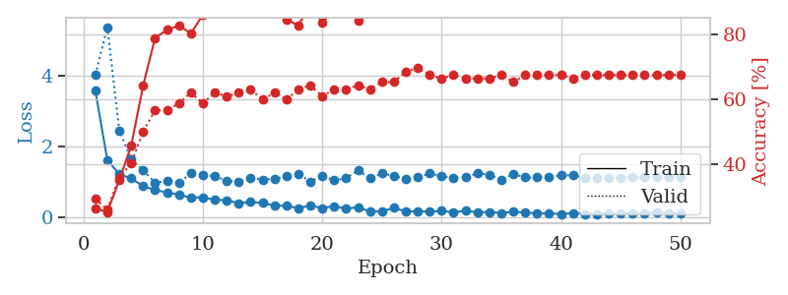
1.1196189575 | 2.7732015174 | 0.3722826087 | 0.36956521739 | 0.085913658142 | 37.22826087 | 36.956521739
0.91602279311 | 1.4535747352 | 0.6847826087 | 0.48913043478 | 0.086139440536 | 68.47826087 | 48.913043478
0.84186769568 | 1.3324759965 | 0.70380434783 | 0.46739130435 | 0.085943937302 | 70.380434783 | 46.739130435
0.82772929643 | 1.177052897 | 0.71195652174 | 0.48913043478 | 0.085831642151 | 71.195652174 | 48.913043478
0.73080399503 | 1.012066696 | 0.81793478261 | 0.5652173913 | 0.085552215576 | 81.793478261 | 56.52173913
0.58334822499 | 1.0921262917 | 0.69565217391 | 0.5652173913 | 0.085525035858 | 69.565217391 | 56.52173913
0.53442834123 | 0.95495548456 | 0.8097826087 | 0.63043478261 | 0.091537237167 | 80.97826087 | 63.043478261
0.54367312659 | 1.0071315765 | 0.79076086957 | 0.60869565217 | 0.085924625397 | 79.076086957 | 60.869565217
0.46204563068 | 1.2500470021 | 0.66032608696 | 0.52173913043 | 0.085381031036 | 66.032608696 | 52.173913043
0.45177030499 | 1.0263965441 | 0.80434782609 | 0.5652173913 | 0.085496902466 | 80.434782609 | 56.52173913
0.3776132743 | 1.453315315 | 0.60054347826 | 0.5652173913 | 0.085732460022 | 60.054347826 | 56.52173913
0.39177196117 | 1.1874693373 | 0.74184782609 | 0.58695652174 | 0.085636138916 | 74.184782609 | 58.695652174
0.44722315021 | 1.2655021885 | 0.6875 | 0.5652173913 | 0.086750030518 | 68.75 | 56.52173913
0.39629549047 | 1.4838383716 | 0.59510869565 | 0.54347826087 | 0.089049577713 | 59.510869565 | 54.347826087
0.29529046915 | 1.5333236404 | 0.6222826087 | 0.53260869565 | 0.085281610489 | 62.22826087 | 53.260869565
0.31529622331 | 1.5194270766 | 0.61141304348 | 0.53260869565 | 0.085658311844 | 61.141304348 | 53.260869565
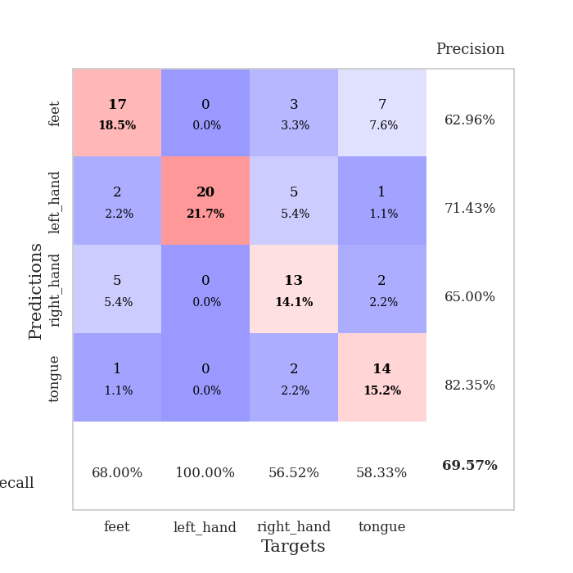
0.37277587633 | 1.4587992533 | 0.66576086957 | 0.52173913043 | 0.085433959961 | 66.576086957 | 52.173913043
0.25088502175 | 1.3535320707 | 0.67934782609 | 0.58695652174 | 0.086185216904 | 67.934782609 | 58.695652174
0.26882103053 | 1.6717302644 | 0.61684782609 | 0.5 | 0.085561275482 | 61.684782609 | 50
0.22083775472 | 1.4895901576 | 0.625 | 0.55434782609 | 0.085609436035 | 62.5 | 55.434782609
0.18514706891 | 1.9760600277 | 0.55706521739 | 0.48913043478 | 0.085294961929 | 55.706521739 | 48.913043478
0.19394804489 | 1.8537459995 | 0.55163043478 | 0.5 | 0.085404872894 | 55.163043478 | 50
0.17308697165 | 1.8068712328 | 0.58423913043 | 0.51086956522 | 0.085894823074 | 58.423913043 | 51.086956522
0.20117695403 | 1.4106943659 | 0.70108695652 | 0.59782608696 | 0.085545063019 | 70.108695652 | 59.782608696
0.16341679312 | 1.9913572954 | 0.59782608696 | 0.46739130435 | 0.085825443268 | 59.782608696 | 46.739130435
0.13881006489 | 1.7073937758 | 0.65217391304 | 0.52173913043 | 0.085017204285 | 65.217391304 | 52.173913043
0.15365349088 | 1.6863172106 | 0.65760869565 | 0.53260869565 | 0.085646390915 | 65.760869565 | 53.260869565
0.1451476716 | 1.5093577997 | 0.71739130435 | 0.55434782609 | 0.085380792618 | 71.739130435 | 55.434782609
0.13093376103 | 1.7030274402 | 0.67934782609 | 0.51086956522 | 0.085295200348 | 67.934782609 | 51.086956522
0.12086397069 | 1.6587596924 | 0.6847826087 | 0.54347826087 | 0.085707902908 | 68.47826087 | 54.347826087
0.11835861409 | 1.7246720532 | 0.67934782609 | 0.54347826087 | 0.085209369659 | 67.934782609 | 54.347826087
0.11440884605 | 1.6858561765 | 0.68206521739 | 0.5652173913 | 0.085156440735 | 68.206521739 | 56.52173913
0.11650425916 | 1.6247093989 | 0.70652173913 | 0.57608695652 | 0.085118770599 | 70.652173913 | 57.608695652
0.14995402616 | 1.6251356654 | 0.70108695652 | 0.58695652174 | 0.085446357727 | 70.108695652 | 58.695652174
0.10924046584 | 1.6120266292 | 0.71739130435 | 0.58695652174 | 0.085503339767 | 71.739130435 | 58.695652174
0.11544073418 | 1.7499386124 | 0.67119565217 | 0.54347826087 | 0.085280656815 | 67.119565217 | 54.347826087
0.11600099107 | 1.7687541298 | 0.67119565217 | 0.54347826087 | 0.08522105217 | 67.119565217 | 54.347826087
0.086072212328 | 1.7289731088 | 0.6875 | 0.5652173913 | 0.085648775101 | 68.75 | 56.52173913
0.091572294174 | 1.7075372157 | 0.69565217391 | 0.55434782609 | 0.085376739502 | 69.565217391 | 55.434782609
0.11084331758 | 1.7155702736 | 0.70108695652 | 0.55434782609 | 0.085403680801 | 70.108695652 | 55.434782609
0.082024211469 | 1.6867664482 | 0.70652173913 | 0.58695652174 | 0.085509538651 | 70.652173913 | 58.695652174
0.093711021073 | 1.6678872834 | 0.70923913043 | 0.57608695652 | 0.08792757988 | 70.923913043 | 57.608695652
0.10286424592 | 1.6722448183 | 0.70923913043 | 0.57608695652 | 0.08625793457 | 70.923913043 | 57.608695652
0.075960075969 | 1.6562547062 | 0.70923913043 | 0.57608695652 | 0.085458040237 | 70.923913043 | 57.608695652
0.10296626367 | 1.6515143073 | 0.72010869565 | 0.57608695652 | 0.085692882538 | 72.010869565 | 57.608695652
0.091740071996 | 1.6503763821 | 0.72010869565 | 0.57608695652 | 0.085509538651 | 72.010869565 | 57.608695652
0.11770038096 | 1.6449412159 | 0.72010869565 | 0.57608695652 | 0.085467576981 | 72.010869565 | 57.608695652
0.076813010954 | 1.6414462224 | 0.72010869565 | 0.57608695652 | 0.085187911987 | 72.010869565 | 57.608695652

Best Val accuracy is 0.6304347826086957 and Best test accuracy is 0.5689655172413793

Sheet5
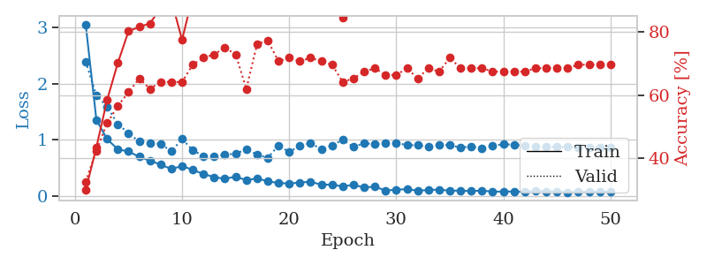
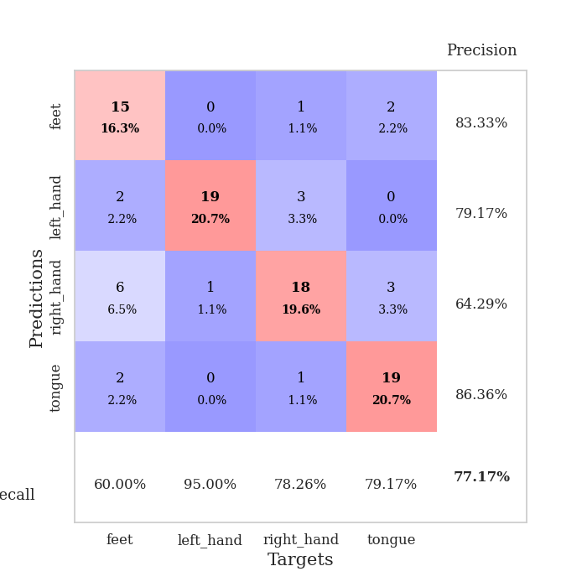
train_loss | valid_loss | train_accuracy | valid_accuracy | dur | train_misclass | valid_misclass
4.0912430442 | 3.4787077178 | 0.26630434783 | 0.26086956522 | 0.080859422684 | 26.630434783 | 26.086956522
1.6026781175 | 3.9122002539 | 0.27173913043 | 0.28260869565 | 0.078966856003 | 27.173913043 | 28.260869565
1.193569966 | 1.8125124444 | 0.38858695652 | 0.33695652174 | 0.07878780365 | 38.858695652 | 33.695652174
0.98809543382 | 1.4325548048 | 0.64945652174 | 0.46739130435 | 0.078762531281 | 64.945652174 | 46.739130435
0.89857878374 | 1.0820049773 | 0.7472826087 | 0.55434782609 | 0.079204797745 | 74.72826087 | 55.434782609
0.79292550553 | 1.0351929509 | 0.79076086957 | 0.58695652174 | 0.078823804855 | 79.076086957 | 58.695652174
0.69620169505 | 1.0390046317 | 0.80163043478 | 0.53260869565 | 0.078737735748 | 80.163043478 | 53.260869565
0.67964808837 | 1.0022038947 | 0.80163043478 | 0.61956521739 | 0.078647136688 | 80.163043478 | 61.956521739
0.65351755075 | 0.98394124404 | 0.80706521739 | 0.59782608696 | 0.078920125961 | 80.706521739 | 59.782608696
0.5585877092 | 0.89436304828 | 0.85597826087 | 0.64130434783 | 0.07910490036 | 85.597826087 | 64.130434783
0.47327880497 | 0.95113948117 | 0.77445652174 | 0.67391304348 | 0.079290866852 | 77.445652174 | 67.391304348
0.5364520187 | 1.0269719103 | 0.80434782609 | 0.64130434783 | 0.0791888237 | 80.434782609 | 64.130434783
0.40554513685 | 0.92529947343 | 0.90760869565 | 0.66304347826 | 0.078966617584 | 90.760869565 | 66.304347826
0.39933056093 | 0.91804536011 | 0.92391304348 | 0.66304347826 | 0.079243183136 | 92.391304348 | 66.304347826
0.39970788878 | 0.90680450719 | 0.89945652174 | 0.64130434783 | 0.079044103622 | 89.945652174 | 64.130434783
0.35283514922 | 0.90726061748 | 0.8722826087 | 0.66304347826 | 0.079148292542 | 87.22826087 | 66.304347826
0.29132783478 | 0.98737212886 | 0.88043478261 | 0.66304347826 | 0.079063653946 | 88.043478261 | 66.304347826
0.32698734234 | 0.96293422968 | 0.92934782609 | 0.69565217391 | 0.079267501831 | 92.934782609 | 69.565217391
0.29509245604 | 1.0060719407 | 0.94565217391 | 0.71739130435 | 0.082051038742 | 94.565217391 | 71.739130435
0.25260881497 | 0.96811916517 | 0.9375 | 0.70652173913 | 0.080260038376 | 93.75 | 70.652173913
0.23605313379 | 1.0138151594 | 0.86684782609 | 0.66304347826 | 0.080196857452 | 86.684782609 | 66.304347826
0.22419359438 | 1.0477215985 | 0.90489130435 | 0.67391304348 | 0.080101966858 | 90.489130435 | 67.391304348
0.20475437006 | 1.2042499366 | 0.83967391304 | 0.67391304348 | 0.080079555511 | 83.967391304 | 67.391304348
0.28680212699 | 1.3290001154 | 0.80434782609 | 0.57608695652 | 0.080149173737 | 80.434782609 | 57.608695652
0.21470113034 | 1.0298570705 | 0.95108695652 | 0.66304347826 | 0.080066919327 | 95.108695652 | 66.304347826
0.20534690032 | 1.0601256775 | 0.91032608696 | 0.66304347826 | 0.08008480072 | 91.032608696 | 66.304347826
0.18276236546 | 1.0006646047 | 0.93206521739 | 0.57608695652 | 0.080176591873 | 93.206521739 | 57.608695652
0.16967683059 | 1.012541263 | 0.92119565217 | 0.61956521739 | 0.080052614212 | 92.119565217 | 61.956521739
0.13033607699 | 0.99319594839 | 0.94836956522 | 0.64130434783 | 0.080046415329 | 94.836956522 | 64.130434783
0.14174502991 | 1.0610383956 | 0.91304347826 | 0.64130434783 | 0.080127477646 | 91.304347826 | 64.130434783
0.18056373703 | 1.1302020705 | 0.9375 | 0.66304347826 | 0.079565048218 | 93.75 | 66.304347826
0.15797426754 | 1.1072198723 | 0.91032608696 | 0.64130434783 | 0.079951047897 | 91.032608696 | 64.130434783
0.12502464069 | 1.0355958731 | 0.9402173913 | 0.66304347826 | 0.080337047577 | 94.02173913 | 66.304347826
0.14894599824 | 1.051896427 | 0.92119565217 | 0.64130434783 | 0.080086946487 | 92.119565217 | 64.130434783
0.14514539196 | 1.0786833763 | 0.92663043478 | 0.61956521739 | 0.080028057098 | 92.663043478 | 61.956521739
0.11525647334 | 1.2084298808 | 0.88858695652 | 0.5652173913 | 0.080147504807 | 88.858695652 | 56.52173913
0.1293258401 | 1.1418118062 | 0.91304347826 | 0.59782608696 | 0.080150365829 | 91.304347826 | 59.782608696
0.10689767717 | 1.1213848435 | 0.91847826087 | 0.58695652174 | 0.08015370369 | 91.847826087 | 58.695652174
0.10073924032 | 1.1146951551 | 0.92934782609 | 0.61956521739 | 0.080076694489 | 92.934782609 | 61.956521739
0.13464827439 | 1.0757433643 | 0.9375 | 0.61956521739 | 0.079973220825 | 93.75 | 61.956521739
0.12180094498 | 1.0569150396 | 0.94836956522 | 0.65217391304 | 0.08006811142 | 94.836956522 | 65.217391304
0.11675493767 | 1.1184619769 | 0.9375 | 0.64130434783 | 0.080203294754 | 93.75 | 64.130434783
0.11033093476 | 1.1241972187 | 0.9347826087 | 0.60869565217 | 0.080140590668 | 93.47826087 | 60.869565217
0.11082640549 | 1.1138178836 | 0.9347826087 | 0.60869565217 | 0.080032348633 | 93.47826087 | 60.869565217
0.11868367174 | 1.11127743 | 0.9347826087 | 0.61956521739 | 0.080030202866 | 93.47826087 | 61.956521739
0.11803350517 | 1.1066708254 | 0.9402173913 | 0.61956521739 | 0.080430269241 | 94.02173913 | 61.956521739
0.087156511114 | 1.1006641543 | 0.9402173913 | 0.61956521739 | 0.080353498459 | 94.02173913 | 61.956521739
0.099405566899 | 1.0976693475 | 0.9402173913 | 0.61956521739 | 0.080140590668 | 94.02173913 | 61.956521739
0.11154162554 | 1.0940833506 | 0.94293478261 | 0.61956521739 | 0.080196619034 | 94.293478261 | 61.956521739
0.1181323606 | 1.0926430692 | 0.94293478261 | 0.61956521739 | 0.080192804337 | 94.293478261 | 61.956521739

Best Val accuracy is 0.717391304347826 and Best test accuracy is 0.6293103448275862
train_loss | valid_loss | train_accuracy | valid_accuracy | dur | train_misclass | valid_misclass
3.0512846605 | 2.3911494068 | 0.29891304348 | 0.32608695652 | 0.088953018188 | 29.891304348 | 32.608695652
1.3579483758 | 1.7883071848 | 0.4347826087 | 0.42391304348 | 0.085866928101 | 43.47826087 | 42.391304348
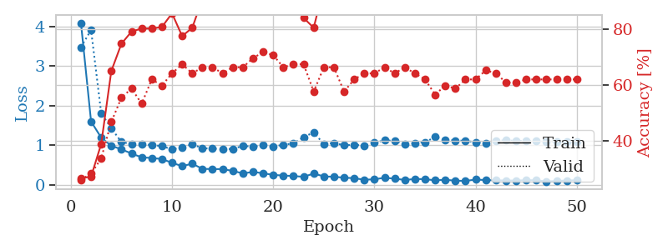
1.0147262863 | 1.593791604 | 0.58423913043 | 0.51086956522 | 0.085878610611 | 58.423913043 | 51.086956522
0.83402854204 | 1.2795371025 | 0.70108695652 | 0.5652173913 | 0.086396455765 | 70.108695652 | 56.52173913
0.79552677922 | 1.1232929852 | 0.80163043478 | 0.60869565217 | 0.088857889175 | 80.163043478 | 60.869565217
0.70159746512 | 0.96811041625 | 0.8152173913 | 0.65217391304 | 0.086594581604 | 81.52173913 | 65.217391304
0.62982142879 | 0.94006979725 | 0.82608695652 | 0.61956521739 | 0.08674788475 | 82.608695652 | 61.956521739
0.56415942182 | 0.93199915471 | 0.875 | 0.64130434783 | 0.088494539261 | 87.5 | 64.130434783
0.48397308977 | 0.79695588609 | 0.89945652174 | 0.64130434783 | 0.089672088623 | 89.945652174 | 64.130434783
0.5391840857 | 1.0173924358 | 0.77445652174 | 0.64130434783 | 0.098252534866 | 77.445652174 | 64.130434783
0.46780982614 | 0.81636800714 | 0.91304347826 | 0.69565217391 | 0.086472272873 | 91.304347826 | 69.565217391
0.3957676664 | 0.71499596212 | 0.89945652174 | 0.71739130435 | 0.086219072342 | 89.945652174 | 71.739130435
0.34064534371 | 0.71611473612 | 0.86956521739 | 0.72826086957 | 0.088478326797 | 86.956521739 | 72.826086957
0.3114894405 | 0.73531793252 | 0.91576086957 | 0.75 | 0.085710763931 | 91.576086957 | 75
0.34844703972 | 0.75928784972 | 0.89945652174 | 0.72826086957 | 0.086144447327 | 89.945652174 | 72.826086957
0.28723546603 | 0.82935646565 | 0.91847826087 | 0.61956521739 | 0.090848922729 | 91.847826087 | 61.956521739
0.3168323513 | 0.7416645729 | 0.9402173913 | 0.76086956522 | 0.086400032043 | 94.02173913 | 76.086956522
0.26804077042 | 0.68312310136 | 0.94293478261 | 0.77173913043 | 0.086417675018 | 94.293478261 | 77.173913043
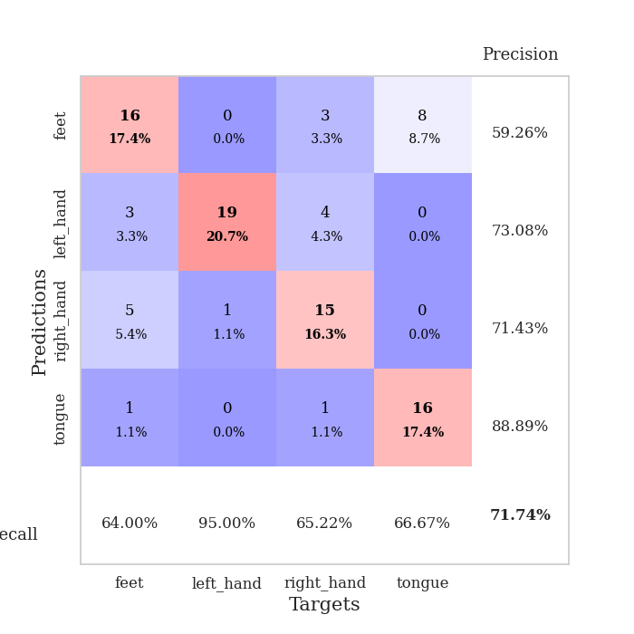
0.23580100177 | 0.90158770136 | 0.90760869565 | 0.70652173913 | 0.086282730103 | 90.760869565 | 70.652173913
0.22837925071 | 0.78610987508 | 0.96195652174 | 0.71739130435 | 0.085978507996 | 96.195652174 | 71.739130435
0.244841712 | 0.89768556408 | 0.89130434783 | 0.70652173913 | 0.086072206497 | 89.130434783 | 70.652173913
0.25991927589 | 0.94303153909 | 0.88315217391 | 0.71739130435 | 0.085960388184 | 88.315217391 | 71.739130435
0.20526944781 | 0.83624846002 | 0.92934782609 | 0.70652173913 | 0.086074352264 | 92.934782609 | 70.652173913
0.20986195978 | 0.90441958801 | 0.86956521739 | 0.69565217391 | 0.086216926575 | 86.956521739 | 69.565217391
0.17424075063 | 1.0032626235 | 0.84510869565 | 0.64130434783 | 0.0863301754 | 84.510869565 | 64.130434783
0.2048242936 | 0.87545453984 | 0.89945652174 | 0.65217391304 | 0.085990905762 | 89.945652174 | 65.217391304
0.15643291386 | 0.94287171571 | 0.91847826087 | 0.67391304348 | 0.085656642914 | 91.847826087 | 67.391304348
0.17310225575 | 0.92565098534 | 0.91576086957 | 0.6847826087 | 0.08576798439 | 91.576086957 | 68.47826087
0.10116990842 | 0.93835254856 | 0.89673913043 | 0.66304347826 | 0.086182594299 | 89.673913043 | 66.304347826
0.11975547509 | 0.95067086945 | 0.91304347826 | 0.66304347826 | 0.086185216904 | 91.304347826 | 66.304347826
0.12515193742 | 0.90670225931 | 0.9402173913 | 0.6847826087 | 0.086039304733 | 94.02173913 | 68.47826087
0.10105830812 | 0.90808811654 | 0.95652173913 | 0.65217391304 | 0.085963964462 | 95.652173913 | 65.217391304
0.11125884387 | 0.87941572718 | 0.94565217391 | 0.6847826087 | 0.086437940598 | 94.565217391 | 68.47826087
0.12017274225 | 0.91042919003 | 0.91304347826 | 0.67391304348 | 0.086217880249 | 91.304347826 | 67.391304348
0.099524816579 | 0.90865034383 | 0.92391304348 | 0.71739130435 | 0.088325500488 | 92.391304348 | 71.739130435
0.10250631849 | 0.86374929159 | 0.9375 | 0.6847826087 | 0.090054273605 | 93.75 | 68.47826087
0.090746607915 | 0.88584019568 | 0.92934782609 | 0.6847826087 | 0.089010715485 | 92.934782609 | 68.47826087
0.10430809349 | 0.85443244291 | 0.93206521739 | 0.6847826087 | 0.085559368134 | 93.206521739 | 68.47826087
0.081128623782 | 0.89331185299 | 0.9347826087 | 0.67391304348 | 0.086312770844 | 93.47826087 | 67.391304348
0.086379382273 | 0.92717606088 | 0.92391304348 | 0.67391304348 | 0.086776256561 | 92.391304348 | 67.391304348
0.084805355691 | 0.91101103762 | 0.92663043478 | 0.67391304348 | 0.085987091064 | 92.663043478 | 67.391304348
0.078707314987 | 0.90124794193 | 0.92391304348 | 0.67391304348 | 0.086757659912 | 92.391304348 | 67.391304348
0.091973598884 | 0.87536893202 | 0.92934782609 | 0.6847826087 | 0.087555170059 | 92.934782609 | 68.47826087
0.090214558513 | 0.87415532444 | 0.92934782609 | 0.6847826087 | 0.086104393005 | 92.934782609 | 68.47826087
0.085982826457 | 0.8749989945 | 0.93206521739 | 0.6847826087 | 0.086239337921 | 93.206521739 | 68.47826087
0.070855901708 | 0.87439334393 | 0.9347826087 | 0.6847826087 | 0.086570501328 | 93.47826087 | 68.47826087
0.079412031311 | 0.86654466131 | 0.9347826087 | 0.69565217391 | 0.086556196213 | 93.47826087 | 69.565217391
0.083221238552 | 0.86564708274 | 0.9347826087 | 0.69565217391 | 0.085791826248 | 93.47826087 | 69.565217391
0.077340581313 | 0.86548921336 | 0.9347826087 | 0.69565217391 | 0.090574264526 | 93.47826087 | 69.565217391
0.085406477482 | 0.86463125374 | 0.9375 | 0.69565217391 | 0.086268663406 | 93.75 | 69.565217391

Best Val accuracy is 0.7717391304347826 and Best test accuracy is 0.646551724137931

Sheet6
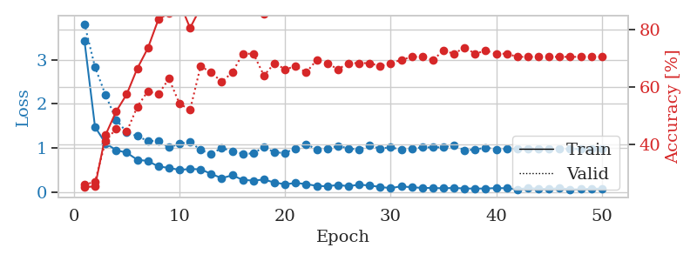
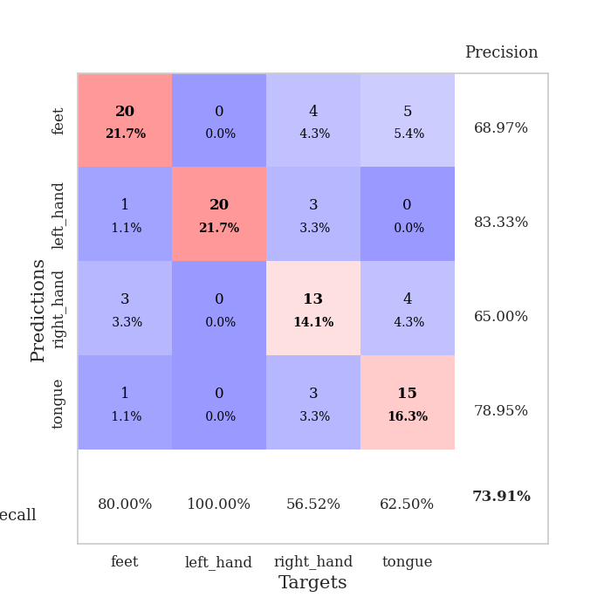
train_loss | valid_loss | train_accuracy | valid_accuracy | dur | train_misclass | valid_misclass
3.5699872763 | 4.3124701873 | 0.33423913043 | 0.27173913043 | 0.080532312393 | 33.423913043 | 27.173913043
1.6021368322 | 3.4529604704 | 0.28532608696 | 0.34782608696 | 0.079005479813 | 28.532608696 | 34.782608696
1.071794116 | 2.8018196458 | 0.32336956522 | 0.38043478261 | 0.078709602356 | 32.336956522 | 38.043478261
0.91277991948 | 1.4234484227 | 0.61956521739 | 0.46739130435 | 0.079054117203 | 61.956521739 | 46.739130435
0.91522556803 | 1.3503077756 | 0.69836956522 | 0.5 | 0.079101324081 | 69.836956522 | 50
0.77905003662 | 1.4823719574 | 0.71739130435 | 0.48913043478 | 0.079047441483 | 71.739130435 | 48.913043478
0.73811449305 | 1.1949593192 | 0.8125 | 0.5 | 0.079102754593 | 81.25 | 50
0.58886314605 | 1.0472081511 | 0.84239130435 | 0.55434782609 | 0.079032659531 | 84.239130435 | 55.434782609
0.56872523803 | 1.0905611878 | 0.77717391304 | 0.53260869565 | 0.079471826553 | 77.717391304 | 53.260869565
0.52268686761 | 1.3764295423 | 0.75 | 0.53260869565 | 0.079202651978 | 75 | 53.260869565
0.51028558936 | 1.1799681653 | 0.80434782609 | 0.60869565217 | 0.079422712326 | 80.434782609 | 60.869565217
0.51683843784 | 0.9731265747 | 0.84239130435 | 0.67391304348 | 0.079107761383 | 84.239130435 | 67.391304348
0.45956299227 | 1.0362769495 | 0.875 | 0.65217391304 | 0.079383611679 | 87.5 | 65.217391304
0.3974390775 | 1.0383676912 | 0.88858695652 | 0.64130434783 | 0.079136133194 | 88.858695652 | 64.130434783
0.46378942547 | 1.1915352396 | 0.8125 | 0.61956521739 | 0.07913684845 | 81.25 | 61.956521739
0.37971107273 | 1.2058685215 | 0.83695652174 | 0.61956521739 | 0.079355239868 | 83.695652174 | 61.956521739
0.35796160348 | 1.2738175185 | 0.80163043478 | 0.63043478261 | 0.078854084015 | 80.163043478 | 63.043478261
0.36113604903 | 1.1361921741 | 0.8777173913 | 0.66304347826 | 0.079308271408 | 87.77173913 | 66.304347826
0.32115491091 | 1.1053636929 | 0.86684782609 | 0.64130434783 | 0.079200029373 | 86.684782609 | 64.130434783
0.2593154227 | 1.171820257 | 0.85054347826 | 0.69565217391 | 0.079272985458 | 85.054347826 | 69.565217391
0.28698330664 | 1.2297661719 | 0.82880434783 | 0.63043478261 | 0.079296350479 | 82.880434783 | 63.043478261
0.2774024379 | 1.2597725469 | 0.80163043478 | 0.64130434783 | 0.079213380814 | 80.163043478 | 64.130434783
0.29308315917 | 1.2459510176 | 0.88315217391 | 0.65217391304 | 0.079249858856 | 88.315217391 | 65.217391304
0.2302966241 | 1.2064989468 | 0.83695652174 | 0.70652173913 | 0.079258918762 | 83.695652174 | 70.652173913
0.23715283608 | 1.2520800311 | 0.86141304348 | 0.60869565217 | 0.07920050621 | 86.141304348 | 60.869565217
0.25729765322 | 1.2849056384 | 0.83423913043 | 0.67391304348 | 0.079124927521 | 83.423913043 | 67.391304348
0.24045181242 | 1.2317076636 | 0.84782608696 | 0.6847826087 | 0.079264879227 | 84.782608696 | 68.47826087
0.19325715635 | 1.2315765101 | 0.85326086957 | 0.6847826087 | 0.082083940506 | 85.326086957 | 68.47826087
0.19330338599 | 1.2431309197 | 0.84239130435 | 0.65217391304 | 0.084501504898 | 84.239130435 | 65.217391304
0.20829412066 | 1.3153951842 | 0.8097826087 | 0.65217391304 | 0.081052780151 | 80.97826087 | 65.217391304
0.21808184894 | 1.4539855356 | 0.75543478261 | 0.60869565217 | 0.080606460571 | 75.543478261 | 60.869565217
0.2068984332 | 1.391581468 | 0.78532608696 | 0.63043478261 | 0.080801725388 | 78.532608696 | 63.043478261
0.19396612421 | 1.287326792 | 0.8125 | 0.63043478261 | 0.080599069595 | 81.25 | 63.043478261
0.19891227166 | 1.3631350683 | 0.79891304348 | 0.64130434783 | 0.080990076065 | 79.891304348 | 64.130434783
0.14946579771 | 1.3560948372 | 0.77717391304 | 0.64130434783 | 0.081048965454 | 77.717391304 | 64.130434783
0.16380138533 | 1.3547592422 | 0.81793478261 | 0.65217391304 | 0.080611944199 | 81.793478261 | 65.217391304
0.13947566121 | 1.35328623 | 0.81793478261 | 0.65217391304 | 0.080714702606 | 81.793478261 | 65.217391304
0.16919774088 | 1.339396596 | 0.81793478261 | 0.66304347826 | 0.080636978149 | 81.793478261 | 66.304347826
0.12103113564 | 1.3417226698 | 0.82065217391 | 0.64130434783 | 0.080639362335 | 82.065217391 | 64.130434783
0.17170399533 | 1.3407364876 | 0.82880434783 | 0.64130434783 | 0.080932617188 | 82.880434783 | 64.130434783
0.13520281422 | 1.3588695008 | 0.82608695652 | 0.64130434783 | 0.080605983734 | 82.608695652 | 64.130434783
0.14485721541 | 1.3360039929 | 0.83152173913 | 0.65217391304 | 0.080683946609 | 83.152173913 | 65.217391304
0.14915514357 | 1.3261513244 | 0.83695652174 | 0.65217391304 | 0.080748796463 | 83.695652174 | 65.217391304
0.16844372605 | 1.3145715517 | 0.83967391304 | 0.65217391304 | 0.080918073654 | 83.967391304 | 65.217391304
0.12098910473 | 1.3132137682 | 0.83967391304 | 0.65217391304 | 0.080926656723 | 83.967391304 | 65.217391304
0.14166338426 | 1.3099721774 | 0.84239130435 | 0.65217391304 | 0.080568552017 | 84.239130435 | 65.217391304
0.13933262504 | 1.3083704088 | 0.84510869565 | 0.64130434783 | 0.080607175827 | 84.510869565 | 64.130434783
0.10769917103 | 1.3056010993 | 0.84510869565 | 0.64130434783 | 0.080764532089 | 84.510869565 | 64.130434783
0.14400308693 | 1.3025385038 | 0.85054347826 | 0.64130434783 | 0.080823421478 | 85.054347826 | 64.130434783
0.12877707151 | 1.2996686256 | 0.85054347826 | 0.65217391304 | 0.080775499344 | 85.054347826 | 65.217391304

Best Val accuracy is 0.7065217391304348 and Best test accuracy is 0.5603448275862069
train_loss | valid_loss | train_accuracy | valid_accuracy | dur | train_misclass | valid_misclass
3.4282528628 | 3.8086805966 | 0.2527173913 | 0.26086956522 | 0.087914705276 | 25.27173913 | 26.086956522
1.4798901496 | 2.8303554058 | 0.25543478261 | 0.27173913043 | 0.089644670486 | 25.543478261 | 27.173913043
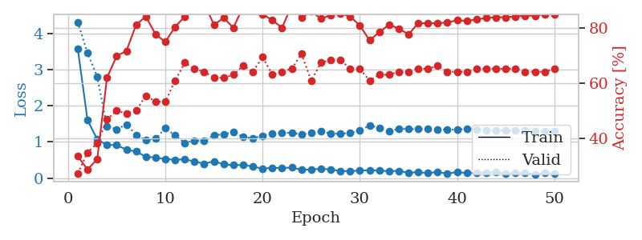
1.1071557662 | 2.200460548 | 0.4347826087 | 0.41304347826 | 0.086002111435 | 43.47826087 | 41.304347826
0.95574663256 | 1.6436309814 | 0.51630434783 | 0.45652173913 | 0.085858345032 | 51.630434783 | 45.652173913
0.89727937398 | 1.3587449945 | 0.57608695652 | 0.44565217391 | 0.087577104568 | 57.608695652 | 44.565217391
0.73806851066 | 1.2719688416 | 0.66576086957 | 0.53260869565 | 0.085879564285 | 66.576086957 | 53.260869565
0.70941333538 | 1.162615294 | 0.73641304348 | 0.58695652174 | 0.085716247559 | 73.641304348 | 58.695652174
0.5861282841 | 1.163423305 | 0.83695652174 | 0.57608695652 | 0.085855007172 | 83.695652174 | 57.608695652
0.55297894776 | 1.0174996127 | 0.85869565217 | 0.63043478261 | 0.085419416428 | 85.869565217 | 63.043478261
0.50896250165 | 1.0957693224 | 0.89673913043 | 0.54347826087 | 0.085644960403 | 89.673913043 | 54.347826087
0.52830617713 | 1.1460491885 | 0.80706521739 | 0.52173913043 | 0.085335731506 | 80.706521739 | 52.173913043
0.52181761291 | 0.95706743002 | 0.8777173913 | 0.67391304348 | 0.085642576218 | 87.77173913 | 67.391304348
0.41737592998 | 0.8679403559 | 0.90489130435 | 0.65217391304 | 0.086386442184 | 90.489130435 | 65.217391304
0.32141282636 | 1.0055082725 | 0.97010869565 | 0.61956521739 | 0.08597612381 | 97.010869565 | 61.956521739
0.38585020343 | 0.92791000397 | 0.88315217391 | 0.65217391304 | 0.085683345795 | 88.315217391 | 65.217391304
0.28192455322 | 0.87518073165 | 0.94565217391 | 0.71739130435 | 0.086312532425 | 94.565217391 | 71.739130435
0.26683638504 | 0.87880234874 | 0.89130434783 | 0.71739130435 | 0.087593317032 | 89.130434783 | 71.739130435
0.28968257376 | 1.0303380178 | 0.85597826087 | 0.64130434783 | 0.086951971054 | 85.597826087 | 64.130434783
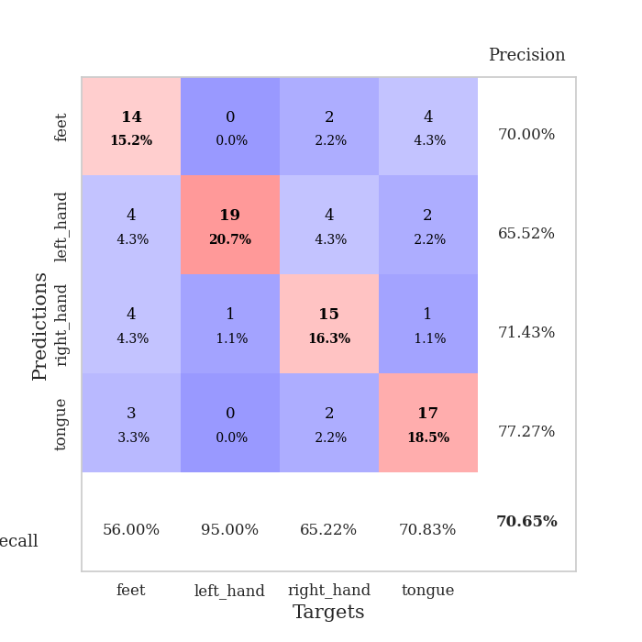
0.22208183923 | 0.9016724488 | 0.92663043478 | 0.6847826087 | 0.085819244385 | 92.663043478 | 68.47826087
0.18332570953 | 0.89450687688 | 0.92663043478 | 0.66304347826 | 0.085954904556 | 92.663043478 | 66.304347826
0.21184698217 | 0.99317473432 | 0.91304347826 | 0.67391304348 | 0.088032722473 | 91.304347826 | 67.391304348
0.18814272612 | 1.0863696959 | 0.91304347826 | 0.65217391304 | 0.085497617722 | 91.304347826 | 65.217391304
0.14567623304 | 0.97538587321 | 0.92663043478 | 0.69565217391 | 0.088723897934 | 92.663043478 | 69.565217391
0.1383666825 | 0.97989589753 | 0.97282608696 | 0.6847826087 | 0.085901021957 | 97.282608696 | 68.47826087
0.16745770463 | 1.0537982583 | 0.9375 | 0.66304347826 | 0.085527420044 | 93.75 | 66.304347826
0.13987835788 | 0.99405227796 | 0.90217391304 | 0.6847826087 | 0.08577132225 | 90.217391304 | 68.47826087
0.17247495606 | 0.96679630746 | 0.98913043478 | 0.6847826087 | 0.08572101593 | 98.913043478 | 68.47826087
0.15661629221 | 1.0558249082 | 0.9375 | 0.6847826087 | 0.085658073425 | 93.75 | 68.47826087
0.12158828213 | 0.99210386432 | 0.98641304348 | 0.67391304348 | 0.085976362228 | 98.641304348 | 67.391304348
0.09619877868 | 1.0201542118 | 0.95652173913 | 0.6847826087 | 0.085954666138 | 95.652173913 | 68.47826087
0.13661903455 | 0.96339300923 | 0.96739130435 | 0.69565217391 | 0.085683345795 | 96.739130435 | 69.565217391
0.11450179116 | 0.98543280881 | 0.9402173913 | 0.70652173913 | 0.085871458054 | 94.02173913 | 70.652173913
0.10126427998 | 1.0190209675 | 0.94565217391 | 0.70652173913 | 0.086291074753 | 94.565217391 | 70.652173913
0.097960145699 | 1.0156680423 | 0.94836956522 | 0.69565217391 | 0.085826158524 | 94.836956522 | 69.565217391
0.092523382531 | 1.0210127455 | 0.95652173913 | 0.72826086957 | 0.086262464523 | 95.652173913 | 72.826086957
0.099661601181 | 1.0583704814 | 0.94293478261 | 0.71739130435 | 0.086012125015 | 94.293478261 | 71.739130435
0.088448822478 | 0.9525036773 | 0.97826086957 | 0.73913043478 | 0.085314512253 | 97.826086957 | 73.913043478
0.085593181581 | 0.96670946868 | 0.94836956522 | 0.71739130435 | 0.08651971817 | 94.836956522 | 71.739130435
0.087323813456 | 1.013719284 | 0.95923913043 | 0.72826086957 | 0.098030567169 | 95.923913043 | 72.826086957
0.097204672173 | 0.97479291195 | 0.95108695652 | 0.71739130435 | 0.086458921432 | 95.108695652 | 71.739130435
0.093543026475 | 0.98020423884 | 0.97282608696 | 0.71739130435 | 0.086051225662 | 97.282608696 | 71.739130435
0.06869874842 | 0.98772692421 | 0.97282608696 | 0.70652173913 | 0.08565568924 | 97.282608696 | 70.652173913
0.09739651203 | 0.9914078868 | 0.96467391304 | 0.70652173913 | 0.085851669312 | 96.467391304 | 70.652173913
0.081829597931 | 0.99417147818 | 0.96467391304 | 0.70652173913 | 0.094472885132 | 96.467391304 | 70.652173913
0.075098089833 | 0.98869346536 | 0.97282608696 | 0.70652173913 | 0.085783004761 | 97.282608696 | 70.652173913
0.095862774178 | 0.98357125469 | 0.97010869565 | 0.70652173913 | 0.085866451263 | 97.010869565 | 70.652173913
0.066113724535 | 0.98252094699 | 0.97282608696 | 0.70652173913 | 0.085631847382 | 97.282608696 | 70.652173913
0.071399542706 | 0.98147627452 | 0.97554347826 | 0.70652173913 | 0.086139440536 | 97.554347826 | 70.652173913
0.082144598315 | 0.97950548452 | 0.97554347826 | 0.70652173913 | 0.085394859314 | 97.554347826 | 70.652173913
0.084399838243 | 0.97774423205 | 0.97554347826 | 0.70652173913 | 0.085997104645 | 97.554347826 | 70.652173913

Best Val accuracy is 0.7391304347826086 and Best test accuracy is 0.6637931034482759

Sheet7
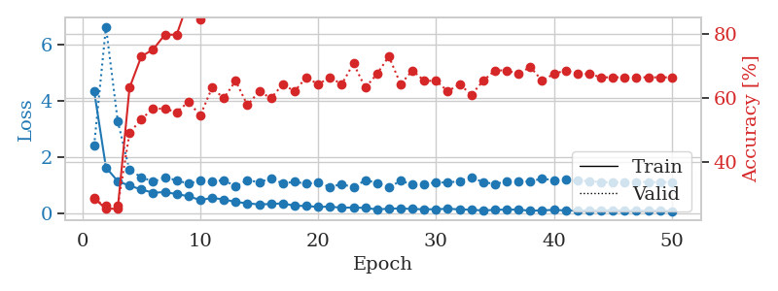
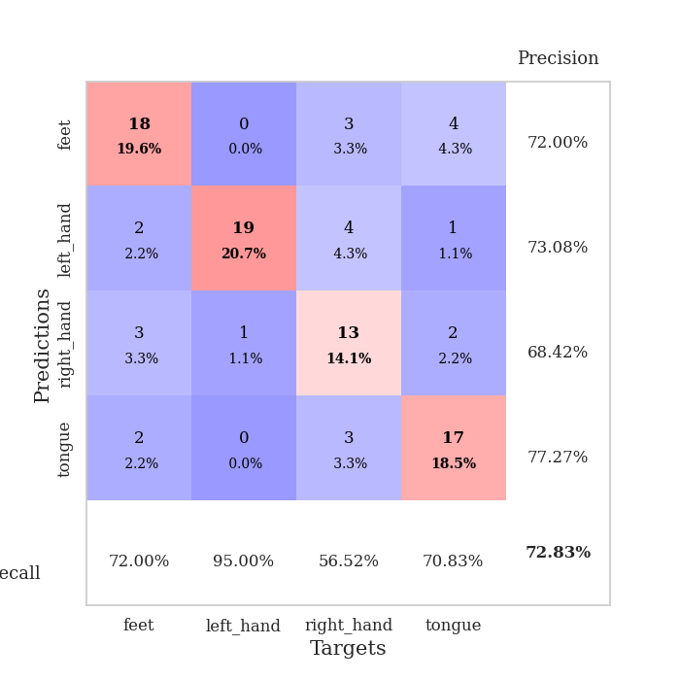
train_loss | valid_loss | train_accuracy | valid_accuracy | dur | train_misclass | valid_misclass
3.2359521285 | 5.3410308879 | 0.24184782609 | 0.27173913043 | 0.084792375565 | 24.184782609 | 27.173913043
1.3284744206 | 3.9780780647 | 0.25815217391 | 0.26086956522 | 0.080273866653 | 25.815217391 | 26.086956522
1.1496181307 | 2.6783588658 | 0.31793478261 | 0.3152173913 | 0.08039188385 | 31.793478261 | 31.52173913
0.89701686994 | 1.6634515265 | 0.60326086957 | 0.48913043478 | 0.080422878265 | 60.326086957 | 48.913043478
0.77289675371 | 1.1459096852 | 0.77717391304 | 0.59782608696 | 0.080352067947 | 77.717391304 | 59.782608696
0.71272426973 | 1.1255572671 | 0.82065217391 | 0.51086956522 | 0.080374479294 | 82.065217391 | 51.086956522
0.64387262256 | 1.0328435354 | 0.8097826087 | 0.60869565217 | 0.080333709717 | 80.97826087 | 60.869565217
0.52227247668 | 1.1301910696 | 0.84510869565 | 0.58695652174 | 0.080867767334 | 84.510869565 | 58.695652174
0.51489084441 | 1.0492849661 | 0.91576086957 | 0.60869565217 | 0.080680847168 | 91.576086957 | 60.869565217
0.49866045428 | 0.9852449894 | 0.86413043478 | 0.63043478261 | 0.080662250519 | 86.413043478 | 63.043478261
0.42466579831 | 1.032489844 | 0.89402173913 | 0.61956521739 | 0.080694913864 | 89.402173913 | 61.956521739
0.43256251449 | 1.164664481 | 0.89402173913 | 0.5652173913 | 0.080562114716 | 89.402173913 | 56.52173913
0.41039855195 | 1.2031682522 | 0.8777173913 | 0.61956521739 | 0.080787420273 | 87.77173913 | 61.956521739
0.38628152855 | 1.1653608835 | 0.89130434783 | 0.66304347826 | 0.080596208572 | 89.130434783 | 66.304347826
0.34988827744 | 1.0353193672 | 0.94293478261 | 0.61956521739 | 0.080833911896 | 94.293478261 | 61.956521739
0.27944156657 | 1.1503611052 | 0.93206521739 | 0.57608695652 | 0.080621242523 | 93.206521739 | 57.608695652
0.28019628593 | 1.0867861743 | 0.93206521739 | 0.60869565217 | 0.080765008926 | 93.206521739 | 60.869565217
0.31791867024 | 1.0259830537 | 0.93206521739 | 0.63043478261 | 0.080669164658 | 93.206521739 | 63.043478261
0.23752579571 | 0.9044992224 | 0.9347826087 | 0.67391304348 | 0.080675840378 | 93.47826087 | 67.391304348
0.22165412618 | 1.1359819951 | 0.88586956522 | 0.60869565217 | 0.081003665924 | 88.586956522 | 60.869565217
0.16238746792 | 1.06107484 | 0.94565217391 | 0.61956521739 | 0.08062005043 | 94.565217391 | 61.956521739
0.16073657329 | 1.1152481825 | 0.91847826087 | 0.60869565217 | 0.080662965775 | 91.847826087 | 60.869565217
0.18118868501 | 1.2990579812 | 0.875 | 0.58695652174 | 0.080887556076 | 87.5 | 58.695652174
0.21329565784 | 1.1842069419 | 0.85054347826 | 0.61956521739 | 0.080673456192 | 85.054347826 | 61.956521739
0.17988173907 | 1.1140002142 | 0.84510869565 | 0.61956521739 | 0.080978870392 | 84.510869565 | 61.956521739
0.14978663931 | 1.0995803398 | 0.875 | 0.63043478261 | 0.080721855164 | 87.5 | 63.043478261
0.16185915243 | 1.1032896482 | 0.88858695652 | 0.65217391304 | 0.08055305481 | 88.858695652 | 65.217391304
0.21406042786 | 1.2032515899 | 0.86413043478 | 0.61956521739 | 0.080614805222 | 86.413043478 | 61.956521739
0.15897883118 | 1.0992001943 | 0.90217391304 | 0.64130434783 | 0.080793380737 | 90.217391304 | 64.130434783
0.12416825298 | 1.2225664595 | 0.85869565217 | 0.59782608696 | 0.080749750137 | 85.869565217 | 59.782608696
0.13054370803 | 1.2013343313 | 0.875 | 0.63043478261 | 0.080731153488 | 87.5 | 63.043478261
0.06461011748 | 1.1848428871 | 0.88043478261 | 0.60869565217 | 0.080767393112 | 88.043478261 | 60.869565217
0.10813123044 | 1.07916408 | 0.91847826087 | 0.60869565217 | 0.080680608749 | 91.847826087 | 60.869565217
0.090882912521 | 1.1177441063 | 0.91304347826 | 0.60869565217 | 0.08082818985 | 91.304347826 | 60.869565217
0.099299217048 | 1.1134462797 | 0.91304347826 | 0.61956521739 | 0.08062171936 | 91.304347826 | 61.956521739
0.070218498515 | 1.1721261636 | 0.88858695652 | 0.61956521739 | 0.080629825592 | 88.858695652 | 61.956521739
0.082789272353 | 1.0775157524 | 0.91032608696 | 0.61956521739 | 0.080566883087 | 91.032608696 | 61.956521739
0.098427770011 | 1.1069574408 | 0.91032608696 | 0.60869565217 | 0.080562829971 | 91.032608696 | 60.869565217
0.079716147167 | 1.1770799782 | 0.89945652174 | 0.59782608696 | 0.081054449081 | 89.945652174 | 59.782608696
0.092698116787 | 1.1849371972 | 0.90489130435 | 0.61956521739 | 0.080605745316 | 90.489130435 | 61.956521739
0.085238651656 | 1.1332561192 | 0.92391304348 | 0.60869565217 | 0.080972194672 | 92.391304348 | 60.869565217
0.081887758904 | 1.1221842144 | 0.91576086957 | 0.60869565217 | 0.080787181854 | 91.576086957 | 60.869565217
0.094042815025 | 1.1244731053 | 0.91304347826 | 0.60869565217 | 0.080803155899 | 91.304347826 | 60.869565217
0.07482857164 | 1.1191109678 | 0.91032608696 | 0.60869565217 | 0.080652713776 | 91.032608696 | 60.869565217
0.094412403991 | 1.1248348692 | 0.91304347826 | 0.60869565217 | 0.080810070038 | 91.304347826 | 60.869565217
0.096167499766 | 1.1297945225 | 0.91576086957 | 0.60869565217 | 0.080657720566 | 91.576086957 | 60.869565217
0.11163375353 | 1.1327686673 | 0.91032608696 | 0.60869565217 | 0.080704927444 | 91.032608696 | 60.869565217
0.081915506607 | 1.1357972337 | 0.91032608696 | 0.60869565217 | 0.080972909927 | 91.032608696 | 60.869565217
0.073887554524 | 1.1342853463 | 0.91032608696 | 0.60869565217 | 0.080837488174 | 91.032608696 | 60.869565217
0.06461031661 | 1.1333379927 | 0.91032608696 | 0.60869565217 | 0.080667972565 | 91.032608696 | 60.869565217

Best Val accuracy is 0.6739130434782609 and Best test accuracy is 0.6206896551724138
train_loss | valid_loss | train_accuracy | valid_accuracy | dur | train_misclass | valid_misclass
4.3458614712 | 2.4113495972 | 0.28532608696 | 0.28260869565 | 0.088229894638 | 28.532608696 | 28.260869565
1.631843287 | 6.631837679 | 0.2527173913 | 0.26086956522 | 0.085845947266 | 25.27173913 | 26.086956522
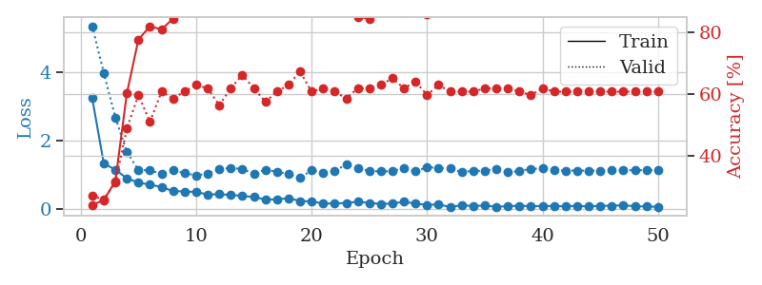
1.1393914715 | 3.2753370845 | 0.2527173913 | 0.26086956522 | 0.08612370491 | 25.27173913 | 26.086956522
0.98357065994 | 1.5309920933 | 0.63043478261 | 0.48913043478 | 0.10138940811 | 63.043478261 | 48.913043478
0.84471509508 | 1.2876788326 | 0.72826086957 | 0.53260869565 | 0.09273314476 | 72.826086957 | 53.260869565
0.7317960949 | 1.1244819009 | 0.75 | 0.5652173913 | 0.0959649086 | 75 | 56.52173913
0.75345412933 | 1.2735315872 | 0.79619565217 | 0.5652173913 | 0.094188213348 | 79.619565217 | 56.52173913
0.6842569955 | 1.1731399712 | 0.79619565217 | 0.55434782609 | 0.085979223251 | 79.619565217 | 55.434782609
0.6066721911 | 1.052806761 | 0.90217391304 | 0.58695652174 | 0.085215091705 | 90.217391304 | 58.695652174
0.47112810482 | 1.1719339775 | 0.84510869565 | 0.54347826087 | 0.085492372513 | 84.510869565 | 54.347826087
0.54676730089 | 1.1238803915 | 0.88858695652 | 0.63043478261 | 0.085448503494 | 88.858695652 | 63.043478261
0.49364385851 | 1.1784984288 | 0.92663043478 | 0.59782608696 | 0.085865020752 | 92.663043478 | 59.782608696
0.40324124046 | 0.95488726315 | 0.91576086957 | 0.65217391304 | 0.08568072319 | 91.576086957 | 65.217391304
0.35525868898 | 1.1796583507 | 0.9347826087 | 0.57608695652 | 0.090424776077 | 93.47826087 | 57.608695652
0.31430834305 | 1.1035171229 | 0.94836956522 | 0.61956521739 | 0.092854261398 | 94.836956522 | 61.956521739
0.33270524377 | 1.2427005405 | 0.9347826087 | 0.59782608696 | 0.085775136948 | 93.47826087 | 59.782608696
0.35314698517 | 1.0597126173 | 0.9402173913 | 0.64130434783 | 0.085401058197 | 94.02173913 | 64.130434783
0.26784648779 | 1.1210770089 | 0.92663043478 | 0.61956521739 | 0.085665225983 | 92.663043478 | 61.956521739
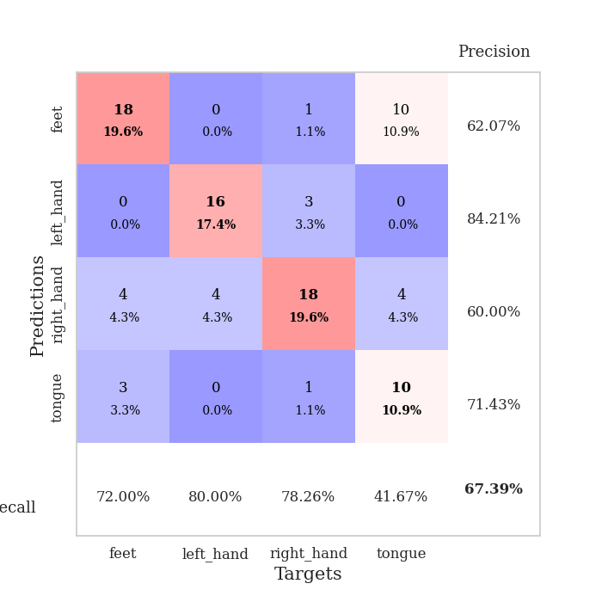
0.26153019783 | 1.0501818087 | 0.93206521739 | 0.66304347826 | 0.085222244263 | 93.206521739 | 66.304347826
0.2239350372 | 1.0975260398 | 0.88315217391 | 0.64130434783 | 0.089131116867 | 88.315217391 | 64.130434783
0.24046624711 | 0.93027222157 | 0.97282608696 | 0.66304347826 | 0.085718870163 | 97.282608696 | 66.304347826
0.19374013498 | 1.0405190198 | 0.93206521739 | 0.64130434783 | 0.090246677399 | 93.206521739 | 64.130434783
0.20879786332 | 0.91590650704 | 0.94293478261 | 0.70652173913 | 0.085738897324 | 94.293478261 | 70.652173913
0.19006868662 | 1.1786076608 | 0.90489130435 | 0.63043478261 | 0.085753202438 | 90.489130435 | 63.043478261
0.13710729251 | 1.081660903 | 0.96195652174 | 0.67391304348 | 0.085411787033 | 96.195652174 | 67.391304348
0.16494415417 | 0.91895109156 | 0.95652173913 | 0.72826086957 | 0.099581241608 | 95.652173913 | 72.826086957
0.1730112401 | 1.15510217 | 0.9375 | 0.64130434783 | 0.087377071381 | 93.75 | 64.130434783
0.1524631168 | 1.0213123638 | 0.97282608696 | 0.6847826087 | 0.085441827774 | 97.282608696 | 68.47826087
0.14355797636 | 1.0223626391 | 0.97282608696 | 0.65217391304 | 0.085465908051 | 97.282608696 | 65.217391304
0.14348439637 | 1.1111370766 | 0.92663043478 | 0.65217391304 | 0.085299491882 | 92.663043478 | 65.217391304
0.16193649464 | 1.084902328 | 0.96195652174 | 0.61956521739 | 0.091508626938 | 96.195652174 | 61.956521739
0.13942741805 | 1.1511538003 | 0.94565217391 | 0.64130434783 | 0.086001873016 | 94.565217391 | 64.130434783
0.12637102248 | 1.2805865485 | 0.93206521739 | 0.60869565217 | 0.08859872818 | 93.206521739 | 60.869565217
0.10024302777 | 1.1055012682 | 0.97282608696 | 0.65217391304 | 0.085804462433 | 97.282608696 | 65.217391304
0.12452684796 | 1.0474678667 | 0.96739130435 | 0.6847826087 | 0.085143566132 | 96.739130435 | 68.47826087
0.13062685876 | 1.1237773843 | 0.97826086957 | 0.6847826087 | 0.088445425034 | 97.826086957 | 68.47826087
0.13228558672 | 1.120499274 | 0.97010869565 | 0.67391304348 | 0.085601091385 | 97.010869565 | 67.391304348
0.089580045608 | 1.1326959962 | 0.97282608696 | 0.69565217391 | 0.085609436035 | 97.282608696 | 69.565217391
0.10520587481 | 1.2365346577 | 0.9402173913 | 0.65217391304 | 0.085349082947 | 94.02173913 | 65.217391304
0.12171442661 | 1.1712747735 | 0.96195652174 | 0.67391304348 | 0.085615634918 | 96.195652174 | 67.391304348
0.10165484424 | 1.1908594214 | 0.95652173913 | 0.6847826087 | 0.088040351868 | 95.652173913 | 68.47826087
0.094324162594 | 1.1549907171 | 0.95380434783 | 0.67391304348 | 0.085700511932 | 95.380434783 | 67.391304348
0.099749658014 | 1.1472962836 | 0.95652173913 | 0.67391304348 | 0.085398197174 | 95.652173913 | 67.391304348
0.10028178472 | 1.1074412025 | 0.97826086957 | 0.66304347826 | 0.085328817368 | 97.826086957 | 66.304347826
0.10723660805 | 1.1077396144 | 0.97826086957 | 0.66304347826 | 0.087271213531 | 97.826086957 | 66.304347826
0.096382132367 | 1.1105162527 | 0.97826086957 | 0.66304347826 | 0.08573102951 | 97.826086957 | 66.304347826
0.089770992125 | 1.1115416444 | 0.98097826087 | 0.66304347826 | 0.085555553436 | 98.097826087 | 66.304347826
0.087721761195 | 1.1107671416 | 0.98097826087 | 0.66304347826 | 0.08547949791 | 98.097826087 | 66.304347826
0.098786930189 | 1.1094471268 | 0.98097826087 | 0.66304347826 | 0.085519075394 | 98.097826087 | 66.304347826
0.074364028162 | 1.1082408843 | 0.98369565217 | 0.66304347826 | 0.085859060287 | 98.369565217 | 66.304347826

Best Val accuracy is 0.7282608695652174 and Best test accuracy is 0.6551724137931034

Sheet8
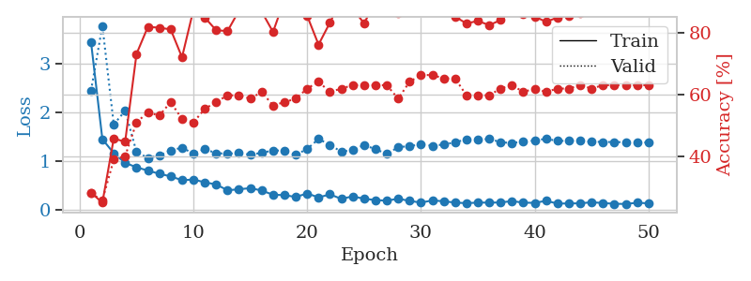
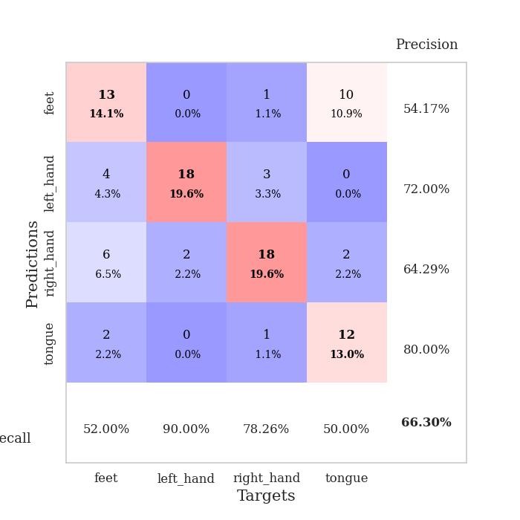
train_loss | valid_loss | train_accuracy | valid_accuracy | dur | train_misclass | valid_misclass
3.7057002938 | 6.229663994 | 0.25815217391 | 0.29347826087 | 0.080525875092 | 25.815217391 | 29.347826087
1.2363839512 | 7.4489055302 | 0.2527173913 | 0.26086956522 | 0.079860448837 | 25.27173913 | 26.086956522
1.1540075178 | 3.9153267093 | 0.26358695652 | 0.27173913043 | 0.079653263092 | 26.358695652 | 27.173913043
0.89229552383 | 1.7001783381 | 0.5625 | 0.5 | 0.079649925232 | 56.25 | 50
0.71353437719 | 1.213513364 | 0.72010869565 | 0.5652173913 | 0.079755783081 | 72.010869565 | 56.52173913
0.69018957408 | 0.99016409335 | 0.85054347826 | 0.61956521739 | 0.079634428024 | 85.054347826 | 61.956521739
0.63443905504 | 0.88170868936 | 0.84239130435 | 0.64130434783 | 0.080069065094 | 84.239130435 | 64.130434783
0.50421783004 | 0.84252588645 | 0.88043478261 | 0.65217391304 | 0.080164670944 | 88.043478261 | 65.217391304
0.53359638219 | 1.012043927 | 0.86956521739 | 0.65217391304 | 0.082759618759 | 86.956521739 | 65.217391304
0.41784756404 | 0.91895506693 | 0.88043478261 | 0.67391304348 | 0.082617998123 | 88.043478261 | 67.391304348
0.42689912183 | 0.97285199554 | 0.90489130435 | 0.69565217391 | 0.083554506302 | 90.489130435 | 69.565217391
0.38423098786 | 0.92480546754 | 0.90760869565 | 0.65217391304 | 0.080116033554 | 90.760869565 | 65.217391304
0.35933610198 | 0.91803868439 | 0.82065217391 | 0.65217391304 | 0.080083370209 | 82.065217391 | 65.217391304
0.31610094626 | 0.95274354582 | 0.82608695652 | 0.67391304348 | 0.082102537155 | 82.608695652 | 67.391304348
0.28843088189 | 1.1139597582 | 0.82065217391 | 0.66304347826 | 0.080936193466 | 82.065217391 | 66.304347826
0.31027733956 | 0.98204849855 | 0.8777173913 | 0.6847826087 | 0.080226182938 | 87.77173913 | 68.47826087
0.28961632822 | 1.0755894391 | 0.86684782609 | 0.64130434783 | 0.080241680145 | 86.684782609 | 64.130434783
0.22078985267 | 0.91179689117 | 0.88586956522 | 0.71739130435 | 0.080247163773 | 88.586956522 | 71.739130435
0.22003958893 | 0.89651730397 | 0.91032608696 | 0.69565217391 | 0.080428600311 | 91.032608696 | 69.565217391
0.24702671535 | 1.0318181528 | 0.9375 | 0.69565217391 | 0.080301761627 | 93.75 | 69.565217391
0.2864796576 | 0.82681707455 | 0.91576086957 | 0.76086956522 | 0.080389022827 | 91.576086957 | 76.086956522
0.20052853421 | 0.96775536693 | 0.9375 | 0.72826086957 | 0.082888841629 | 93.75 | 72.826086957
0.21752533025 | 1.1680990691 | 0.92391304348 | 0.69565217391 | 0.080679655075 | 92.391304348 | 69.565217391
0.22347008291 | 1.0377354726 | 0.91576086957 | 0.71739130435 | 0.080208778381 | 91.576086957 | 71.739130435
0.16705476007 | 0.94218249684 | 0.95923913043 | 0.75 | 0.080409049988 | 95.923913043 | 75
0.16512033189 | 0.86936873198 | 0.93206521739 | 0.73913043478 | 0.080336332321 | 93.206521739 | 73.913043478
0.16816159062 | 0.91799862488 | 0.90760869565 | 0.72826086957 | 0.080251216888 | 90.760869565 | 72.826086957
0.1299201804 | 0.8896031289 | 0.95923913043 | 0.71739130435 | 0.080332279205 | 95.923913043 | 71.739130435
0.11718291773 | 0.97131391712 | 0.90489130435 | 0.6847826087 | 0.080351352692 | 90.489130435 | 68.47826087
0.14769494525 | 0.9132827624 | 0.90217391304 | 0.73913043478 | 0.080406904221 | 90.217391304 | 73.913043478
0.1585382249 | 1.0428144258 | 0.89130434783 | 0.71739130435 | 0.080268383026 | 89.130434783 | 71.739130435
0.1598268668 | 0.8758640082 | 0.97010869565 | 0.71739130435 | 0.080155134201 | 97.010869565 | 71.739130435
0.13726797473 | 1.0123059801 | 0.90489130435 | 0.71739130435 | 0.080276966095 | 90.489130435 | 71.739130435
0.099297940812 | 0.93523830435 | 0.92119565217 | 0.73913043478 | 0.080257892609 | 92.119565217 | 73.913043478
0.13189058775 | 0.93141806126 | 0.9375 | 0.71739130435 | 0.080119609833 | 93.75 | 71.739130435
0.11561796041 | 0.91580559637 | 0.93206521739 | 0.71739130435 | 0.080280780792 | 93.206521739 | 71.739130435
0.095250445944 | 0.91613924244 | 0.95108695652 | 0.70652173913 | 0.082604885101 | 95.108695652 | 70.652173913
0.094633578849 | 0.93352017195 | 0.96195652174 | 0.71739130435 | 0.080162286758 | 96.195652174 | 71.739130435
0.070307672591 | 0.94583809376 | 0.9402173913 | 0.71739130435 | 0.080387592316 | 94.02173913 | 71.739130435
0.12125697351 | 0.91376392738 | 0.94836956522 | 0.70652173913 | 0.080326080322 | 94.836956522 | 70.652173913
0.092286000757 | 0.92725376202 | 0.96195652174 | 0.70652173913 | 0.080334186554 | 96.195652174 | 70.652173913
0.08403479397 | 0.94238299909 | 0.96739130435 | 0.70652173913 | 0.080328941345 | 96.739130435 | 70.652173913
0.097820181805 | 0.9181188345 | 0.97554347826 | 0.70652173913 | 0.080324411392 | 97.554347826 | 70.652173913
0.096505321238 | 0.92352522974 | 0.97282608696 | 0.70652173913 | 0.0804438591 | 97.282608696 | 70.652173913
0.085005396694 | 0.91956885483 | 0.97554347826 | 0.70652173913 | 0.082649469376 | 97.554347826 | 70.652173913
0.055713066345 | 0.9125324384 | 0.97282608696 | 0.70652173913 | 0.080810546875 | 97.282608696 | 70.652173913
0.088325088358 | 0.91360505249 | 0.97282608696 | 0.70652173913 | 0.080754041672 | 97.282608696 | 70.652173913
0.079998617729 | 0.91283013251 | 0.97554347826 | 0.70652173913 | 0.080559015274 | 97.554347826 | 70.652173913
0.095887407499 | 0.91333253228 | 0.97554347826 | 0.70652173913 | 0.08081817627 | 97.554347826 | 70.652173913
0.077519916727 | 0.91325418845 | 0.97554347826 | 0.70652173913 | 0.080898046494 | 97.554347826 | 70.652173913

Best Val accuracy is 0.7608695652173914 and Best test accuracy is 0.6637931034482759
train_loss | valid_loss | train_accuracy | valid_accuracy | dur | train_misclass | valid_misclass
3.4385653838 | 2.4408960913 | 0.28532608696 | 0.28260869565 | 0.087943553925 | 28.532608696 | 28.260869565
1.4444587386 | 3.7713038714 | 0.2527173913 | 0.26086956522 | 0.085954904556 | 25.27173913 | 26.086956522
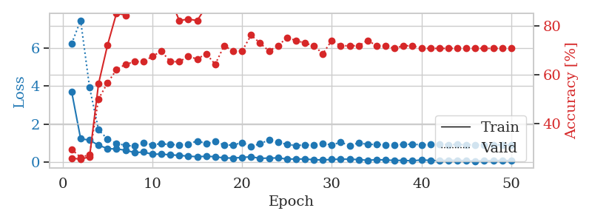
1.1565062326 | 1.7474338646 | 0.45923913043 | 0.39130434783 | 0.085775375366 | 45.923913043 | 39.130434783
0.95941241669 | 2.0268067692 | 0.44836956522 | 0.40217391304 | 0.085802793503 | 44.836956522 | 40.217391304
0.86726074633 | 1.1811107293 | 0.73097826087 | 0.51086956522 | 0.08626127243 | 73.097826087 | 51.086956522
0.80018536034 | 1.0598265762 | 0.81793478261 | 0.54347826087 | 0.086450338364 | 81.793478261 | 54.347826087
0.73490187267 | 1.1058367957 | 0.8152173913 | 0.53260869565 | 0.087062835693 | 81.52173913 | 53.260869565
0.68117526562 | 1.215318685 | 0.8097826087 | 0.57608695652 | 0.085506677628 | 80.97826087 | 57.608695652
0.60265047783 | 1.2696020655 | 0.72010869565 | 0.52173913043 | 0.085922956467 | 72.010869565 | 52.173913043
0.61685939457 | 1.1487916242 | 0.8722826087 | 0.51086956522 | 0.085404396057 | 87.22826087 | 51.086956522
0.55945851557 | 1.2419099393 | 0.84782608696 | 0.55434782609 | 0.085921287537 | 84.782608696 | 55.434782609
0.51502440157 | 1.1558407701 | 0.80706521739 | 0.57608695652 | 0.085801362991 | 80.706521739 | 57.608695652
0.39681233401 | 1.1488959323 | 0.80434782609 | 0.59782608696 | 0.08570432663 | 80.434782609 | 59.782608696
0.41564665216 | 1.157846202 | 0.86956521739 | 0.59782608696 | 0.085794448853 | 86.956521739 | 59.782608696
0.4407829801 | 1.1271822038 | 0.89945652174 | 0.58695652174 | 0.085422277451 | 89.945652174 | 58.695652174
0.39035556563 | 1.1640412652 | 0.86684782609 | 0.60869565217 | 0.088135719299 | 86.684782609 | 60.869565217
0.30464987586 | 1.2127179167 | 0.80163043478 | 0.5652173913 | 0.098206520081 | 80.163043478 | 56.52173913
0.2963380914 | 1.2087297854 | 0.90489130435 | 0.57608695652 | 0.085691690445 | 90.489130435 | 57.608695652
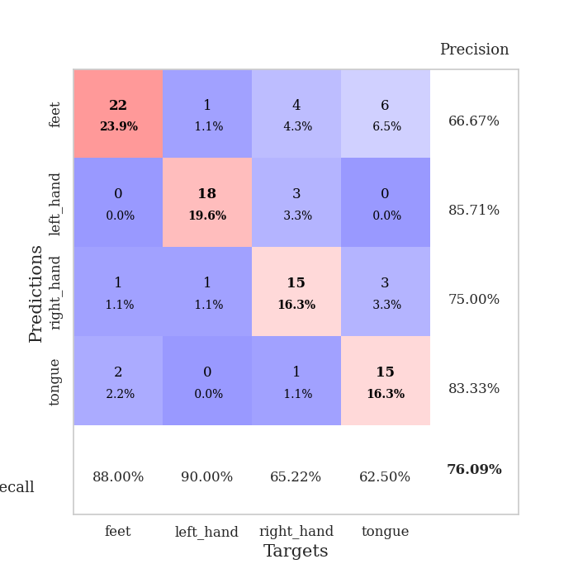
0.25852655004 | 1.1232127625 | 0.86956521739 | 0.58695652174 | 0.086119890213 | 86.956521739 | 58.695652174
0.33115162441 | 1.2439390162 | 0.85326086957 | 0.61956521739 | 0.085652351379 | 85.326086957 | 61.956521739
0.24905247727 | 1.4476265389 | 0.76086956522 | 0.64130434783 | 0.088122844696 | 76.086956522 | 64.130434783
0.31221833015 | 1.3297779819 | 0.83152173913 | 0.60869565217 | 0.086461544037 | 83.152173913 | 60.869565217
0.21950445195 | 1.1857405434 | 0.90489130435 | 0.61956521739 | 0.086536169052 | 90.489130435 | 61.956521739
0.27101839172 | 1.2257838819 | 0.8777173913 | 0.63043478261 | 0.086363554001 | 87.77173913 | 63.043478261
0.22220532402 | 1.3225036082 | 0.82880434783 | 0.63043478261 | 0.085864782333 | 82.880434783 | 63.043478261
0.19492550534 | 1.2402487164 | 0.89945652174 | 0.63043478261 | 0.085813999176 | 89.945652174 | 63.043478261
0.18245389232 | 1.1409591125 | 0.90489130435 | 0.63043478261 | 0.085839748383 | 90.489130435 | 63.043478261
0.22322118865 | 1.2798540903 | 0.86141304348 | 0.58695652174 | 0.088245153427 | 86.141304348 | 58.695652174
0.17762306308 | 1.3025791749 | 0.88043478261 | 0.64130434783 | 0.086124658585 | 88.043478261 | 64.130434783
0.14329006636 | 1.3365168157 | 0.88858695652 | 0.66304347826 | 0.085928678513 | 88.858695652 | 66.304347826
0.18783284708 | 1.309431159 | 0.8777173913 | 0.66304347826 | 0.08607006073 | 87.77173913 | 66.304347826
0.17014289048 | 1.3352928887 | 0.86684782609 | 0.65217391304 | 0.085287570953 | 86.684782609 | 65.217391304
0.14394640291 | 1.3793977188 | 0.85054347826 | 0.65217391304 | 0.085283041 | 85.054347826 | 65.217391304
0.1307120592 | 1.441880563 | 0.82880434783 | 0.59782608696 | 0.085458517075 | 82.880434783 | 59.782608696
0.14345323246 | 1.4307596062 | 0.83695652174 | 0.59782608696 | 0.08556842804 | 83.695652174 | 59.782608696
0.14326515033 | 1.4495281085 | 0.82336956522 | 0.59782608696 | 0.085451841354 | 82.336956522 | 59.782608696
0.14493386626 | 1.3837018687 | 0.83967391304 | 0.61956521739 | 0.085909366608 | 83.967391304 | 61.956521739
0.17470395905 | 1.3635908365 | 0.8722826087 | 0.63043478261 | 0.087148666382 | 87.22826087 | 63.043478261
0.1414521671 | 1.3972444586 | 0.85869565217 | 0.60869565217 | 0.085762023926 | 85.869565217 | 60.869565217
0.13821013142 | 1.416007327 | 0.85054347826 | 0.61956521739 | 0.085574626923 | 85.054347826 | 61.956521739
0.17925490641 | 1.4533057887 | 0.83423913043 | 0.60869565217 | 0.089629888535 | 83.423913043 | 60.869565217
0.12299463955 | 1.4077709291 | 0.84782608696 | 0.61956521739 | 0.086084604263 | 84.782608696 | 61.956521739
0.12614723854 | 1.4121187822 | 0.85326086957 | 0.61956521739 | 0.085614919662 | 85.326086957 | 61.956521739
0.12811390999 | 1.4091278366 | 0.86141304348 | 0.63043478261 | 0.08545255661 | 86.141304348 | 63.043478261
0.14986690612 | 1.3938994926 | 0.8722826087 | 0.61956521739 | 0.085346460342 | 87.22826087 | 61.956521739
0.13407081989 | 1.3875659912 | 0.875 | 0.63043478261 | 0.085495948792 | 87.5 | 63.043478261
0.11900197439 | 1.3860306584 | 0.875 | 0.63043478261 | 0.08575630188 | 87.5 | 63.043478261
0.11527242609 | 1.3815180944 | 0.88043478261 | 0.63043478261 | 0.085839271545 | 88.043478261 | 63.043478261
0.14006268193 | 1.3793791636 | 0.88586956522 | 0.63043478261 | 0.085809230804 | 88.586956522 | 63.043478261
0.12824956457 | 1.376239222 | 0.88586956522 | 0.63043478261 | 0.08554148674 | 88.586956522 | 63.043478261

Best Val accuracy is 0.6630434782608695 and Best test accuracy is 0.5603448275862069

Sheet9
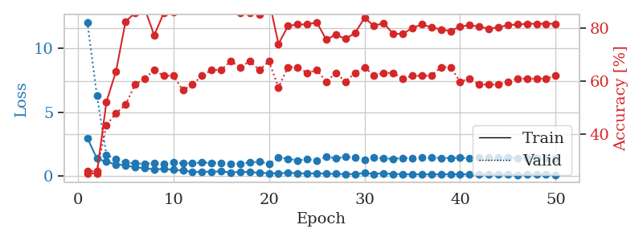
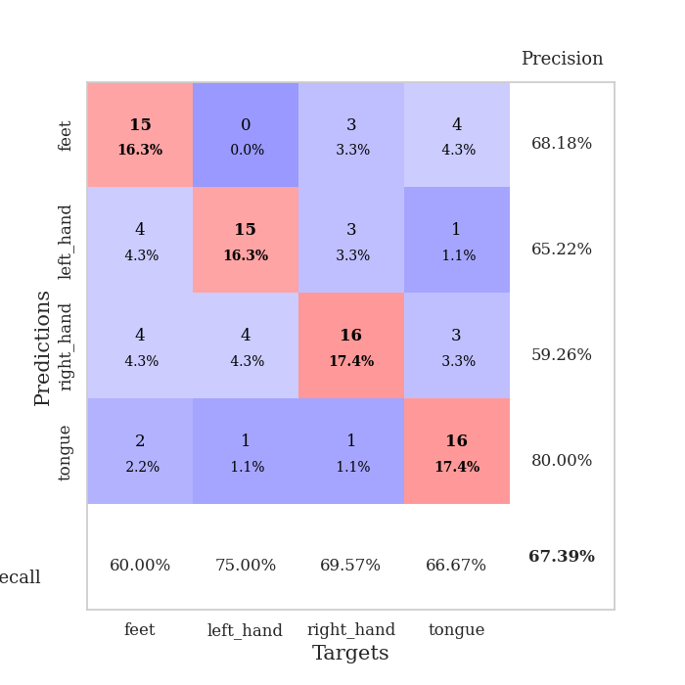
train_loss | valid_loss | train_accuracy | valid_accuracy | dur | train_misclass | valid_misclass
3.2436826644 | 8.0617192517 | 0.2527173913 | 0.26086956522 | 0.084238052368 | 25.27173913 | 26.086956522
1.1798357989 | 7.3206888282 | 0.2527173913 | 0.26086956522 | 0.081145048141 | 25.27173913 | 26.086956522
1.0186488447 | 2.8935312188 | 0.33152173913 | 0.34782608696 | 0.083093166351 | 33.152173913 | 34.782608696
0.84842285773 | 2.4169666404 | 0.42119565217 | 0.42391304348 | 0.080537796021 | 42.119565217 | 42.391304348
0.75394364803 | 1.5434385642 | 0.6902173913 | 0.59782608696 | 0.080487966537 | 69.02173913 | 59.782608696
0.65406961026 | 1.5115117042 | 0.74456521739 | 0.5652173913 | 0.080822229385 | 74.456521739 | 56.52173913
0.60232046765 | 1.3059767485 | 0.81793478261 | 0.57608695652 | 0.080457448959 | 81.793478261 | 57.608695652
0.48234737697 | 1.25560534 | 0.89402173913 | 0.5652173913 | 0.080525636673 | 89.402173913 | 56.52173913
0.50393721073 | 1.2351241734 | 0.88586956522 | 0.61956521739 | 0.08055138588 | 88.586956522 | 61.956521739
0.49382498148 | 1.2122747017 | 0.92119565217 | 0.5652173913 | 0.080521821976 | 92.119565217 | 56.52173913
0.42199029612 | 1.0445899212 | 0.92934782609 | 0.65217391304 | 0.080672740936 | 92.934782609 | 65.217391304
0.36677589462 | 0.91603257604 | 0.89673913043 | 0.6847826087 | 0.08095407486 | 89.673913043 | 68.47826087
0.40448196751 | 0.97232091945 | 0.91576086957 | 0.64130434783 | 0.080639362335 | 91.576086957 | 64.130434783
0.30137265409 | 1.0656589477 | 0.92934782609 | 0.66304347826 | 0.080548048019 | 92.934782609 | 66.304347826
0.29334870208 | 0.98803473815 | 0.95380434783 | 0.63043478261 | 0.080399036407 | 95.380434783 | 63.043478261
0.29593412449 | 1.0429998222 | 0.97826086957 | 0.69565217391 | 0.080612897873 | 97.826086957 | 69.565217391
0.24924747865 | 1.1493845452 | 0.9375 | 0.67391304348 | 0.080650091171 | 93.75 | 67.391304348
0.27183025687 | 1.06439181 | 0.89130434783 | 0.59782608696 | 0.080435276031 | 89.130434783 | 59.782608696
0.28791570194 | 1.2656804427 | 0.85869565217 | 0.59782608696 | 0.080610990524 | 85.869565217 | 59.782608696
0.23365522678 | 0.98061575319 | 0.9347826087 | 0.67391304348 | 0.080553770065 | 93.47826087 | 67.391304348
0.19019218696 | 0.99156587539 | 0.93206521739 | 0.71739130435 | 0.080396413803 | 93.206521739 | 71.739130435
0.2190608413 | 1.020508634 | 0.91576086957 | 0.61956521739 | 0.080911874771 | 91.576086957 | 61.956521739
0.17998256672 | 1.06400991 | 0.92391304348 | 0.65217391304 | 0.080609083176 | 92.391304348 | 65.217391304
0.18238596059 | 1.0302797582 | 0.90760869565 | 0.65217391304 | 0.080311059952 | 90.760869565 | 65.217391304
0.17810296599 | 1.0707106098 | 0.84782608696 | 0.64130434783 | 0.080424547195 | 84.782608696 | 64.130434783
0.16815343839 | 1.0945686568 | 0.88315217391 | 0.61956521739 | 0.080618143082 | 88.315217391 | 61.956521739
0.13585731063 | 1.1378273057 | 0.88315217391 | 0.64130434783 | 0.080380439758 | 88.315217391 | 64.130434783
0.14349801984 | 1.1187857415 | 0.91847826087 | 0.66304347826 | 0.08069229126 | 91.847826087 | 66.304347826
0.21114467263 | 1.0670567336 | 0.91032608696 | 0.66304347826 | 0.080363750458 | 91.032608696 | 66.304347826
0.1428103994 | 1.1328313558 | 0.90217391304 | 0.67391304348 | 0.080459833145 | 90.217391304 | 67.391304348
0.1348254347 | 1.1532505802 | 0.86413043478 | 0.61956521739 | 0.080338001251 | 86.413043478 | 61.956521739
0.14325159602 | 1.1871478869 | 0.89130434783 | 0.66304347826 | 0.080410242081 | 89.130434783 | 66.304347826
0.14305457878 | 1.2465634709 | 0.8777173913 | 0.61956521739 | 0.080340147018 | 87.77173913 | 61.956521739
0.089414355203 | 1.1554399677 | 0.90489130435 | 0.67391304348 | 0.080389976501 | 90.489130435 | 67.391304348
0.10777996132 | 1.1532458741 | 0.90217391304 | 0.64130434783 | 0.080360412598 | 90.217391304 | 64.130434783
0.095932940426 | 1.2641571916 | 0.86956521739 | 0.61956521739 | 0.080785036087 | 86.956521739 | 61.956521739
0.089663829654 | 1.1629419094 | 0.90489130435 | 0.64130434783 | 0.080543041229 | 90.489130435 | 64.130434783
0.10462221244 | 1.1913814571 | 0.88858695652 | 0.64130434783 | 0.080818653107 | 88.858695652 | 64.130434783
0.071111870363 | 1.1920203618 | 0.90217391304 | 0.65217391304 | 0.080699920654 | 90.217391304 | 65.217391304
0.093424079697 | 1.1242568104 | 0.92934782609 | 0.66304347826 | 0.080502510071 | 92.934782609 | 66.304347826
0.12578425184 | 1.1679169043 | 0.92934782609 | 0.67391304348 | 0.080584287643 | 92.934782609 | 67.391304348
0.073942827263 | 1.1627254564 | 0.92663043478 | 0.66304347826 | 0.080444097519 | 92.663043478 | 66.304347826
0.075194833314 | 1.1467856117 | 0.92663043478 | 0.66304347826 | 0.080775260925 | 92.663043478 | 66.304347826
0.073628782578 | 1.1485578262 | 0.92391304348 | 0.67391304348 | 0.081987142563 | 92.391304348 | 67.391304348
0.12465948559 | 1.1271852488 | 0.9375 | 0.67391304348 | 0.080059766769 | 93.75 | 67.391304348
0.094613868419 | 1.1240446956 | 0.9375 | 0.6847826087 | 0.080225467682 | 93.75 | 68.47826087
0.059396679878 | 1.133119026 | 0.9347826087 | 0.67391304348 | 0.080241680145 | 93.47826087 | 67.391304348
0.081931344679 | 1.1313980714 | 0.9347826087 | 0.6847826087 | 0.08002781868 | 93.47826087 | 68.47826087
0.09768986297 | 1.1289490721 | 0.9375 | 0.6847826087 | 0.080118894577 | 93.75 | 68.47826087
0.090350341133 | 1.1262498342 | 0.9375 | 0.6847826087 | 0.080195426941 | 93.75 | 68.47826087

Best Val accuracy is 0.717391304347826 and Best test accuracy is 0.603448275862069
train_loss | valid_loss | train_accuracy | valid_accuracy | dur | train_misclass | valid_misclass
3.0005103013 | 12.054879106 | 0.2527173913 | 0.26086956522 | 0.088527202606 | 25.27173913 | 26.086956522
1.3773431959 | 6.3268675597 | 0.2527173913 | 0.26086956522 | 0.084900856018 | 25.27173913 | 26.086956522
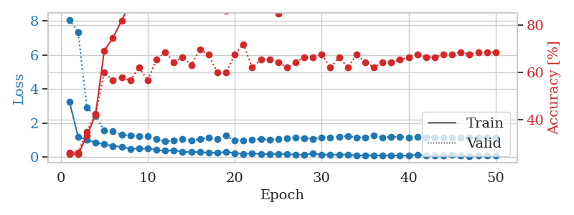
1.1171670323 | 1.6570381704 | 0.52173913043 | 0.4347826087 | 0.085700035095 | 52.173913043 | 43.47826087
0.92384948808 | 1.3533693552 | 0.63586956522 | 0.47826086957 | 0.086913108826 | 63.586956522 | 47.826086957
0.84468864617 | 1.0634177794 | 0.82336956522 | 0.51086956522 | 0.085501194 | 82.336956522 | 51.086956522
0.68168948267 | 0.99775369271 | 0.85597826087 | 0.58695652174 | 0.088005065918 | 85.597826087 | 58.695652174
0.63200117842 | 0.9672105416 | 0.8722826087 | 0.60869565217 | 0.090700626373 | 87.22826087 | 60.869565217
0.51510745287 | 1.0063168329 | 0.77173913043 | 0.64130434783 | 0.08518075943 | 77.173913043 | 64.130434783
0.57338543625 | 0.98445657803 | 0.85597826087 | 0.61956521739 | 0.085631370544 | 85.597826087 | 61.956521739
0.49581128294 | 1.0764737259 | 0.85869565217 | 0.61956521739 | 0.085480690002 | 85.869565217 | 61.956521739
0.43899952977 | 1.012446927 | 0.91576086957 | 0.5652173913 | 0.08521270752 | 91.576086957 | 56.52173913
0.34005227361 | 1.0181844027 | 0.94293478261 | 0.58695652174 | 0.085938453674 | 94.293478261 | 58.695652174
0.33735334193 | 1.0588762838 | 0.90217391304 | 0.61956521739 | 0.085404157639 | 90.217391304 | 61.956521739
0.35281560214 | 1.0519617252 | 0.86956521739 | 0.64130434783 | 0.085599422455 | 86.956521739 | 64.130434783
0.37852929111 | 1.0517152159 | 0.90217391304 | 0.64130434783 | 0.085184812546 | 90.217391304 | 64.130434783
0.28175067076 | 0.97492572017 | 0.9375 | 0.67391304348 | 0.085512638092 | 93.75 | 67.391304348
0.3408779868 | 0.96611147082 | 0.85597826087 | 0.65217391304 | 0.087395429611 | 85.597826087 | 65.217391304
0.31281383044 | 1.0758417404 | 0.85597826087 | 0.67391304348 | 0.10323166847 | 85.597826087 | 67.391304348
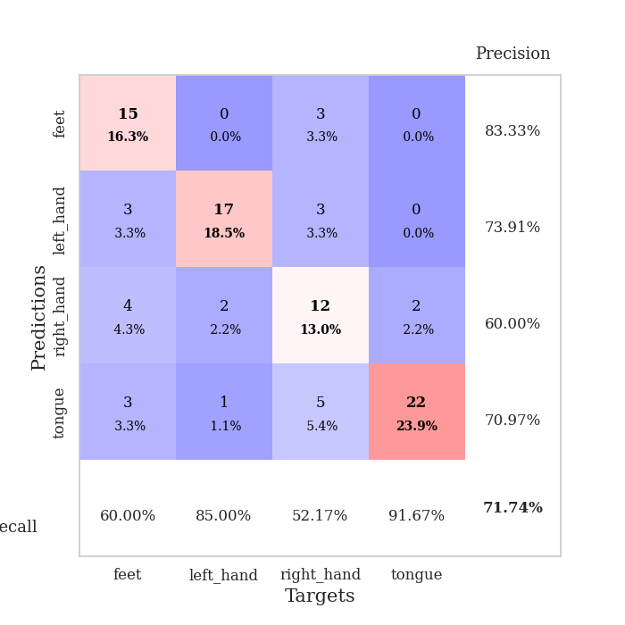
0.26631010615 | 1.1283471558 | 0.85054347826 | 0.64130434783 | 0.094358921051 | 85.054347826 | 64.130434783
0.22489213798 | 0.97174614668 | 0.90489130435 | 0.67391304348 | 0.089724779129 | 90.489130435 | 67.391304348
0.2253645111 | 1.4587460756 | 0.73913043478 | 0.57608695652 | 0.08636879921 | 73.913043478 | 57.608695652
0.25631481053 | 1.362354403 | 0.80706521739 | 0.65217391304 | 0.084907531738 | 80.706521739 | 65.217391304
0.23091797984 | 1.2361859757 | 0.8125 | 0.65217391304 | 0.084851264954 | 81.25 | 65.217391304
0.19981226876 | 1.3074763288 | 0.8125 | 0.63043478261 | 0.085165500641 | 81.25 | 63.043478261
0.22641282043 | 1.2127095357 | 0.82065217391 | 0.64130434783 | 0.084869146347 | 82.065217391 | 64.130434783
0.18777852376 | 1.5033243998 | 0.75543478261 | 0.59782608696 | 0.08517742157 | 75.543478261 | 59.782608696
0.17374528961 | 1.4084778402 | 0.77445652174 | 0.63043478261 | 0.084978818893 | 77.445652174 | 63.043478261
0.15736743241 | 1.4935982175 | 0.75815217391 | 0.59782608696 | 0.084897756577 | 75.815217391 | 59.782608696
0.16592607303 | 1.467343631 | 0.77989130435 | 0.63043478261 | 0.085266590118 | 77.989130435 | 63.043478261
0.24719938053 | 1.3024782927 | 0.83695652174 | 0.65217391304 | 0.085312604904 | 83.695652174 | 65.217391304
0.17227962824 | 1.4561706419 | 0.80706521739 | 0.61956521739 | 0.085260868073 | 80.706521739 | 61.956521739
0.22660785282 | 1.389978782 | 0.81793478261 | 0.63043478261 | 0.085213661194 | 81.793478261 | 63.043478261
0.15794385468 | 1.3459696303 | 0.77717391304 | 0.63043478261 | 0.084830284119 | 77.717391304 | 63.043478261
0.17012166669 | 1.425981703 | 0.77717391304 | 0.60869565217 | 0.085347890854 | 77.717391304 | 60.869565217
0.1248177604 | 1.4200054303 | 0.79891304348 | 0.61956521739 | 0.084976673126 | 79.891304348 | 61.956521739
0.15994285646 | 1.441952441 | 0.8125 | 0.61956521739 | 0.084589958191 | 81.25 | 61.956521739
0.13257115002 | 1.4527126706 | 0.80163043478 | 0.61956521739 | 0.085118293762 | 80.163043478 | 61.956521739
0.15065952012 | 1.4261983063 | 0.79347826087 | 0.65217391304 | 0.087821483612 | 79.347826087 | 65.217391304
0.13996071733 | 1.4255111321 | 0.78804347826 | 0.65217391304 | 0.094136238098 | 78.804347826 | 65.217391304
0.14996209141 | 1.4368834029 | 0.80434782609 | 0.59782608696 | 0.088030576706 | 80.434782609 | 59.782608696
0.1261591604 | 1.4137417959 | 0.8097826087 | 0.60869565217 | 0.091958045959 | 80.97826087 | 60.869565217
0.16607961706 | 1.4389296718 | 0.80434782609 | 0.58695652174 | 0.085427284241 | 80.434782609 | 58.695652174
0.12659595101 | 1.448488987 | 0.79619565217 | 0.58695652174 | 0.088101148605 | 79.619565217 | 58.695652174
0.15180836181 | 1.4335093135 | 0.80163043478 | 0.58695652174 | 0.093807935715 | 80.163043478 | 58.695652174
0.11945233348 | 1.4398516417 | 0.8097826087 | 0.59782608696 | 0.085842847824 | 80.97826087 | 59.782608696
0.10170407986 | 1.4251185345 | 0.8125 | 0.60869565217 | 0.085170984268 | 81.25 | 60.869565217
0.11991531013 | 1.4240274792 | 0.8152173913 | 0.60869565217 | 0.085516214371 | 81.52173913 | 60.869565217
0.11611194172 | 1.4198108341 | 0.8152173913 | 0.60869565217 | 0.085401296616 | 81.52173913 | 60.869565217
0.11700513708 | 1.41480648 | 0.8152173913 | 0.60869565217 | 0.085611820221 | 81.52173913 | 60.869565217
0.094431337779 | 1.4102418267 | 0.8152173913 | 0.61956521739 | 0.08530831337 | 81.52173913 | 61.956521739

Best Val accuracy is 0.6739130434782609 and Best test accuracy is 0.6293103448275862

Sheet10
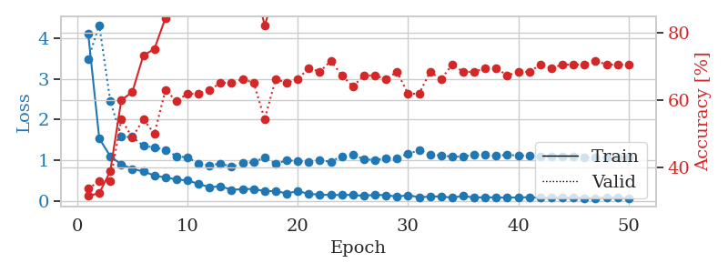
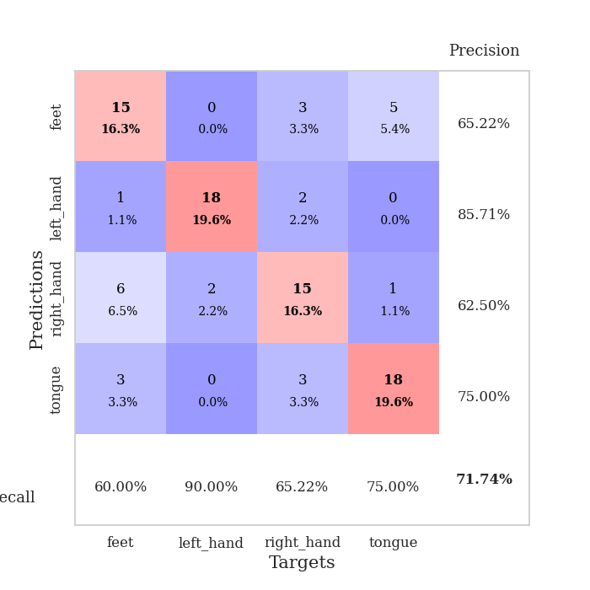
train_loss | valid_loss | train_accuracy | valid_accuracy | dur | train_misclass | valid_misclass
3.5044559137 | 5.1110812685 | 0.30434782609 | 0.34782608696 | 0.082221269608 | 30.434782609 | 34.782608696
1.3540688377 | 2.6214162785 | 0.42663043478 | 0.34782608696 | 0.081964969635 | 42.663043478 | 34.782608696
0.87912509493 | 2.0771690503 | 0.51358695652 | 0.39130434783 | 0.080419540405 | 51.358695652 | 39.130434783
0.68963678505 | 1.6700759815 | 0.6875 | 0.48913043478 | 0.080324649811 | 68.75 | 48.913043478
0.61926571053 | 1.3196607206 | 0.8125 | 0.51086956522 | 0.080319404602 | 81.25 | 51.086956522
0.57869995807 | 1.3396907216 | 0.82065217391 | 0.46739130435 | 0.080501317978 | 82.065217391 | 46.739130435
0.50112632371 | 1.1025694816 | 0.91304347826 | 0.5652173913 | 0.080600738525 | 91.304347826 | 56.52173913
0.48013543564 | 1.0055594418 | 0.90489130435 | 0.65217391304 | 0.080439567566 | 90.489130435 | 65.217391304
0.47131720444 | 1.0802151068 | 0.91847826087 | 0.59782608696 | 0.080418586731 | 91.847826087 | 59.782608696
0.46959749253 | 1.3866490281 | 0.88858695652 | 0.54347826087 | 0.080691576004 | 88.858695652 | 54.347826087
0.43060798554 | 1.1363344711 | 0.9375 | 0.61956521739 | 0.080586910248 | 93.75 | 61.956521739
0.34449145295 | 1.0787981749 | 0.92391304348 | 0.66304347826 | 0.080759525299 | 92.391304348 | 66.304347826
0.30629597766 | 0.90179228264 | 0.9402173913 | 0.66304347826 | 0.079073429108 | 94.02173913 | 66.304347826
0.28617459374 | 1.0047971166 | 0.88858695652 | 0.67391304348 | 0.078925132751 | 88.858695652 | 67.391304348
0.32759876776 | 1.038065164 | 0.91847826087 | 0.66304347826 | 0.078966140747 | 91.847826087 | 66.304347826
0.24011395159 | 1.1954919203 | 0.89945652174 | 0.61956521739 | 0.079158782959 | 89.945652174 | 61.956521739
0.24880368441 | 1.258648976 | 0.8125 | 0.66304347826 | 0.079034805298 | 81.25 | 66.304347826
0.24527269035 | 1.1907069009 | 0.85054347826 | 0.59782608696 | 0.079103708267 | 85.054347826 | 59.782608696
0.2462898577 | 1.0181984953 | 0.95108695652 | 0.67391304348 | 0.079125642776 | 95.108695652 | 67.391304348
0.2154922657 | 1.0197141844 | 0.85597826087 | 0.6847826087 | 0.078958511353 | 85.597826087 | 68.47826087
0.18316820701 | 0.97087977244 | 0.89673913043 | 0.65217391304 | 0.079343080521 | 89.673913043 | 65.217391304
0.18831627865 | 1.0870067037 | 0.88315217391 | 0.63043478261 | 0.079077005386 | 88.315217391 | 63.043478261
0.21706179076 | 1.2130055272 | 0.78804347826 | 0.63043478261 | 0.078942060471 | 78.804347826 | 63.043478261
0.16017660507 | 1.1416002927 | 0.82065217391 | 0.67391304348 | 0.079338788986 | 82.065217391 | 67.391304348
0.13875861239 | 1.1689949969 | 0.88315217391 | 0.63043478261 | 0.07923913002 | 88.315217391 | 63.043478261
0.1737917128 | 1.0658891046 | 0.91032608696 | 0.63043478261 | 0.079058647156 | 91.032608696 | 63.043478261
0.11528674197 | 1.0317742514 | 0.88858695652 | 0.66304347826 | 0.078993320465 | 88.858695652 | 66.304347826
0.15951077774 | 0.98822790643 | 0.92934782609 | 0.66304347826 | 0.079345703125 | 92.934782609 | 66.304347826
0.13942917031 | 1.0249987556 | 0.89945652174 | 0.67391304348 | 0.078921556473 | 89.945652174 | 67.391304348
0.11210583426 | 1.0751535374 | 0.90489130435 | 0.64130434783 | 0.079397916794 | 90.489130435 | 64.130434783
0.11491196145 | 1.0141148438 | 0.91032608696 | 0.66304347826 | 0.078999042511 | 91.032608696 | 66.304347826
0.11380552355 | 1.167823636 | 0.8722826087 | 0.61956521739 | 0.079028367996 | 87.22826087 | 61.956521739
0.1059591243 | 1.0305793856 | 0.91032608696 | 0.67391304348 | 0.079451799393 | 91.032608696 | 67.391304348
0.11770403685 | 1.0623053546 | 0.88858695652 | 0.66304347826 | 0.079022169113 | 88.858695652 | 66.304347826
0.086205859992 | 1.0536264337 | 0.90217391304 | 0.66304347826 | 0.079100608826 | 90.217391304 | 66.304347826
0.075659034328 | 0.99955937137 | 0.92934782609 | 0.6847826087 | 0.079208850861 | 92.934782609 | 68.47826087
0.084850912549 | 1.0174610511 | 0.91304347826 | 0.6847826087 | 0.078974246979 | 91.304347826 | 68.47826087
0.10792216436 | 0.98791327943 | 0.92934782609 | 0.67391304348 | 0.078916549683 | 92.934782609 | 67.391304348
0.092920788159 | 0.99219787121 | 0.93206521739 | 0.6847826087 | 0.079055309296 | 93.206521739 | 68.47826087
0.099142931726 | 1.0299194896 | 0.91304347826 | 0.67391304348 | 0.079127311707 | 91.304347826 | 67.391304348
0.085207393595 | 1.0211531131 | 0.92391304348 | 0.66304347826 | 0.078893899918 | 92.391304348 | 66.304347826
0.091607209214 | 1.0294874181 | 0.92119565217 | 0.66304347826 | 0.078964710236 | 92.119565217 | 66.304347826
0.084722939939 | 1.0585940454 | 0.89945652174 | 0.66304347826 | 0.079216718674 | 89.945652174 | 66.304347826
0.066702684266 | 1.0639027772 | 0.90489130435 | 0.66304347826 | 0.079218626022 | 90.489130435 | 66.304347826
0.067253517432 | 1.0475841916 | 0.91304347826 | 0.66304347826 | 0.078943729401 | 91.304347826 | 66.304347826
0.077372628122 | 1.0377942324 | 0.91304347826 | 0.66304347826 | 0.079158782959 | 91.304347826 | 66.304347826
0.077295733737 | 1.0378462776 | 0.91304347826 | 0.66304347826 | 0.079002380371 | 91.304347826 | 66.304347826
0.064544524694 | 1.0371843939 | 0.91576086957 | 0.66304347826 | 0.079431295395 | 91.576086957 | 66.304347826
0.069998118834 | 1.0339412689 | 0.92119565217 | 0.66304347826 | 0.079134702682 | 92.119565217 | 66.304347826
0.072903465115 | 1.031420122 | 0.92391304348 | 0.66304347826 | 0.079176187515 | 92.391304348 | 66.304347826

Best Val accuracy is 0.6847826086956522 and Best test accuracy is 0.6637931034482759
train_loss | valid_loss | train_accuracy | valid_accuracy | dur | train_misclass | valid_misclass
4.1081415622 | 3.4817795235 | 0.3152173913 | 0.33695652174 | 0.087525844574 | 31.52173913 | 33.695652174
1.533791853 | 4.3233019165 | 0.32336956522 | 0.35869565217 | 0.085493087769 | 32.336956522 | 35.869565217
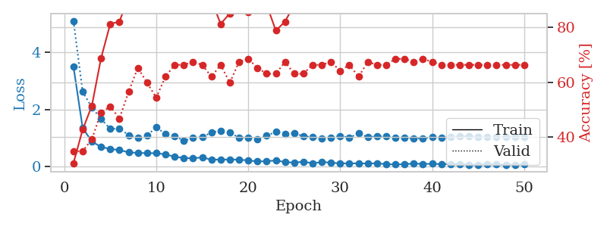
1.0926510899 | 2.4527719228 | 0.38858695652 | 0.35869565217 | 0.086423873901 | 38.858695652 | 35.869565217
0.89262083173 | 1.5682974173 | 0.60054347826 | 0.54347826087 | 0.10062360764 | 60.054347826 | 54.347826087
0.78293351246 | 1.5692639921 | 0.625 | 0.48913043478 | 0.090129137039 | 62.5 | 48.913043478
0.71923039789 | 1.3498196446 | 0.73369565217 | 0.54347826087 | 0.085691213608 | 73.369565217 | 54.347826087
0.62112698089 | 1.3121039038 | 0.7527173913 | 0.5 | 0.085703611374 | 75.27173913 | 50
0.5685247902 | 1.2489189428 | 0.84510869565 | 0.63043478261 | 0.085647583008 | 84.510869565 | 63.043478261
0.52485957029 | 1.0969819349 | 0.91847826087 | 0.59782608696 | 0.085675001144 | 91.847826087 | 59.782608696
0.49680338152 | 1.0644472215 | 0.91847826087 | 0.61956521739 | 0.085592269897 | 91.847826087 | 61.956521739
0.41427623059 | 0.90875267464 | 0.90217391304 | 0.61956521739 | 0.085645198822 | 90.217391304 | 61.956521739
0.33209703927 | 0.86960426621 | 0.91847826087 | 0.63043478261 | 0.08570933342 | 91.847826087 | 63.043478261
0.35232326162 | 0.91311001778 | 0.9347826087 | 0.65217391304 | 0.085664749146 | 93.47826087 | 65.217391304
0.26856043481 | 0.83464323956 | 0.9375 | 0.65217391304 | 0.085410356522 | 93.75 | 65.217391304
0.28191661543 | 0.92892228002 | 0.90217391304 | 0.66304347826 | 0.085734844208 | 90.217391304 | 66.304347826
0.28972307722 | 0.94338275039 | 0.95652173913 | 0.65217391304 | 0.085632801056 | 95.652173913 | 65.217391304
0.23535438238 | 1.0691281324 | 0.82336956522 | 0.54347826087 | 0.085461616516 | 82.336956522 | 54.347826087
0.23617491547 | 0.9050229425 | 0.92663043478 | 0.66304347826 | 0.085564136505 | 92.663043478 | 66.304347826
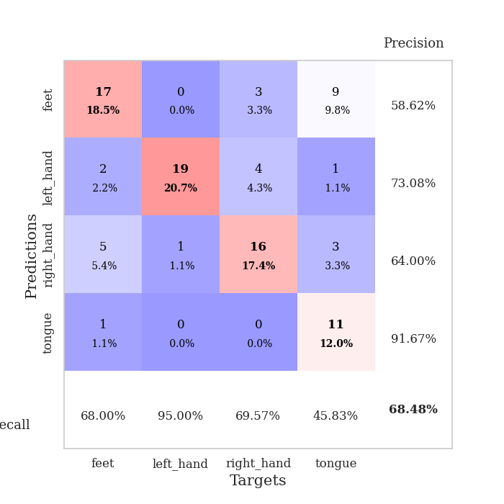
0.17753951219 | 0.9918059914 | 0.92119565217 | 0.65217391304 | 0.085852384567 | 92.119565217 | 65.217391304
0.23448719975 | 0.97726815421 | 0.90217391304 | 0.66304347826 | 0.089380741119 | 90.217391304 | 66.304347826
0.16881411555 | 0.95178691719 | 0.90760869565 | 0.69565217391 | 0.085854291916 | 90.760869565 | 69.565217391
0.1458466121 | 0.98805359395 | 0.90217391304 | 0.6847826087 | 0.0885887146 | 90.217391304 | 68.47826087
0.14017633503 | 0.96049203303 | 0.9402173913 | 0.71739130435 | 0.087426662445 | 94.02173913 | 71.739130435
0.13984450795 | 1.0958292536 | 0.86684782609 | 0.67391304348 | 0.08761882782 | 86.684782609 | 67.391304348
0.14183093777 | 1.1212716491 | 0.8777173913 | 0.64130434783 | 0.085588693619 | 87.77173913 | 64.130434783
0.11722430652 | 1.0261196572 | 0.94565217391 | 0.67391304348 | 0.085671186447 | 94.565217391 | 67.391304348
0.14556776092 | 0.99897803172 | 0.9402173913 | 0.67391304348 | 0.085633516312 | 94.02173913 | 67.391304348
0.13321477361 | 1.0494509961 | 0.9347826087 | 0.66304347826 | 0.085576295853 | 93.47826087 | 66.304347826
0.10133767675 | 1.0439322565 | 0.94293478261 | 0.6847826087 | 0.085465192795 | 94.293478261 | 68.47826087
0.13321631791 | 1.1600981951 | 0.89402173913 | 0.61956521739 | 0.085687875748 | 89.402173913 | 61.956521739
0.085418729112 | 1.2330395035 | 0.86956521739 | 0.61956521739 | 0.085673332214 | 86.956521739 | 61.956521739
0.099832127883 | 1.1387748615 | 0.90217391304 | 0.6847826087 | 0.085512876511 | 90.217391304 | 68.47826087
0.10483951227 | 1.1116734847 | 0.9347826087 | 0.66304347826 | 0.085330724716 | 93.47826087 | 66.304347826
0.072771194553 | 1.0834539792 | 0.9347826087 | 0.70652173913 | 0.08575129509 | 93.47826087 | 70.652173913
0.11788692576 | 1.0863252204 | 0.9347826087 | 0.6847826087 | 0.085496425629 | 93.47826087 | 68.47826087
0.075028311907 | 1.1273997478 | 0.92934782609 | 0.6847826087 | 0.085271835327 | 92.934782609 | 68.47826087
0.086847812423 | 1.1216108307 | 0.92119565217 | 0.69565217391 | 0.085297584534 | 92.119565217 | 69.565217391
0.076519565292 | 1.1046136825 | 0.92391304348 | 0.69565217391 | 0.093501806259 | 92.391304348 | 69.565217391
0.077552519131 | 1.1309582306 | 0.91304347826 | 0.67391304348 | 0.1007976532 | 91.304347826 | 67.391304348
0.077765136674 | 1.1076466415 | 0.9375 | 0.6847826087 | 0.085355520248 | 93.75 | 68.47826087
0.085705988352 | 1.1147717289 | 0.94565217391 | 0.6847826087 | 0.086001873016 | 94.565217391 | 68.47826087
0.069768206216 | 1.093106529 | 0.94836956522 | 0.70652173913 | 0.085624933243 | 94.836956522 | 70.652173913
0.089525936657 | 1.0762939764 | 0.95108695652 | 0.69565217391 | 0.086752653122 | 95.108695652 | 69.565217391
0.07829328104 | 1.0791824952 | 0.95380434783 | 0.70652173913 | 0.086532354355 | 95.380434783 | 70.652173913
0.080882739195 | 1.0769440298 | 0.95380434783 | 0.70652173913 | 0.085713863373 | 95.380434783 | 70.652173913
0.064628172423 | 1.0716702783 | 0.95923913043 | 0.70652173913 | 0.088656425476 | 95.923913043 | 70.652173913
0.06331783116 | 1.0678379795 | 0.96467391304 | 0.71739130435 | 0.086808204651 | 96.467391304 | 71.739130435
0.079491365235 | 1.0672058852 | 0.96467391304 | 0.70652173913 | 0.085862398148 | 96.467391304 | 70.652173913
0.071527556111 | 1.0670742833 | 0.96467391304 | 0.70652173913 | 0.08570766449 | 96.467391304 | 70.652173913
0.061980539973 | 1.066821513 | 0.96467391304 | 0.70652173913 | 0.085825204849 | 96.467391304 | 70.652173913

Best Val accuracy is 0.717391304347826 and Best test accuracy is 0.6982758620689655

