Sheet
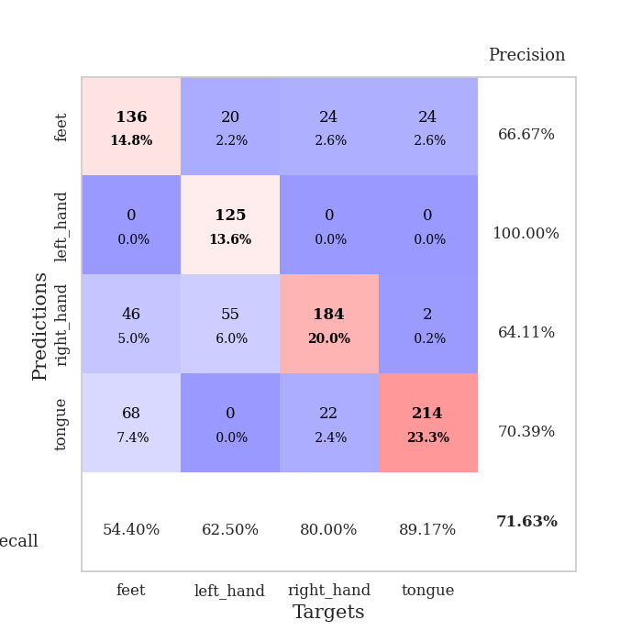
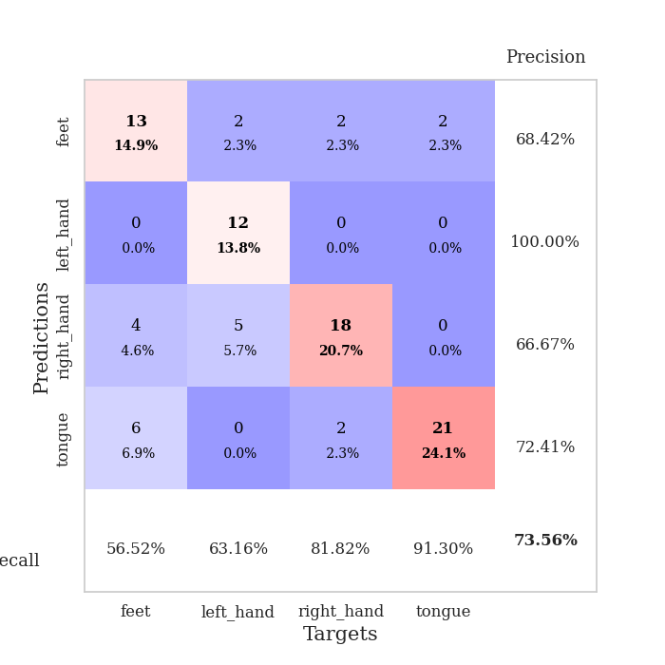
best_val_acc | best_val_los | best_test_acc
0.51086956522 | 1.9562103696 | 0.5
0.98913043478 | 0.037234427185 | 1
0.52173913043 | 1.3918753551 | 0.48275862069
1 | 0.036814722415 | 0.97413793103
0.94565217391 | 0.15027125666 | 0.88793103448
0.59782608696 | 1.6731423243 | 0.62931034483
0.91304347826 | 0.17657368857 | 0.94827586207
0.89130434783 | 0.23923320939 | 0.84482758621
0.52173913043 | 1.5609291325 | 0.48275862069
0.27173913043 | 1.3921756693 | 0.25862068966

Mean,std Val accuracy is 0.7163043478260869 , 0.2595806524028117 and mean, std test accuracy is 0.7008620689655173 , 0.261890252131904

Sheet1
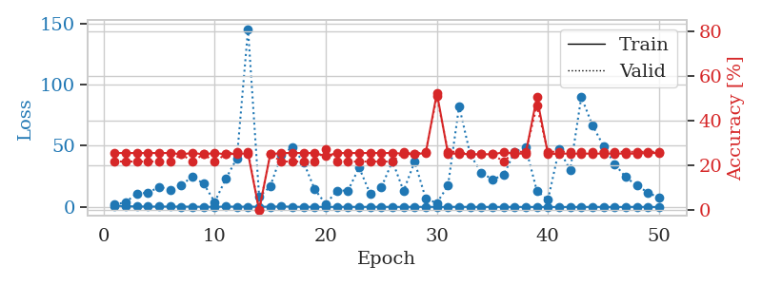
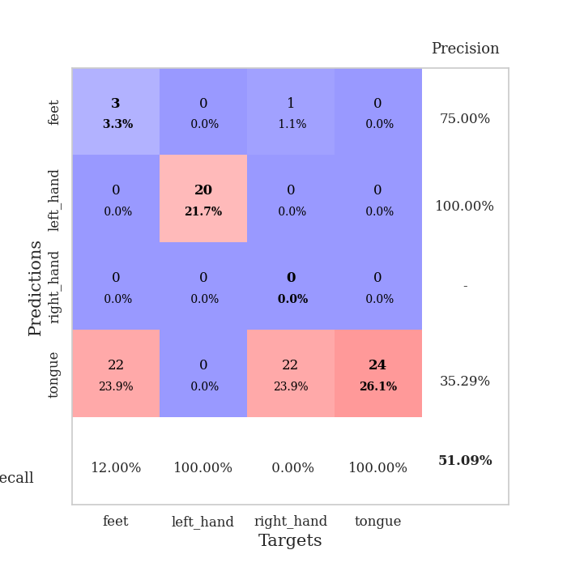
train_loss | valid_loss | train_accuracy | valid_accuracy | dur | train_misclass | valid_misclass
1.0723819396 | 1.9562103696 | 0.25543478261 | 0.21739130435 | 0.09956407547 | 25.543478261 | 21.739130435
0.66346720379 | 4.0544066014 | 0.25543478261 | 0.21739130435 | 0.10168910027 | 25.543478261 | 21.739130435
0.48804550067 | 11.19334706 | 0.25543478261 | 0.21739130435 | 0.097428798676 | 25.543478261 | 21.739130435
0.37155439802 | 11.570238818 | 0.25543478261 | 0.21739130435 | 0.097749471664 | 25.543478261 | 21.739130435
0.36079690184 | 16.509856597 | 0.25543478261 | 0.21739130435 | 0.093356132507 | 25.543478261 | 21.739130435
0.38068514657 | 14.219312087 | 0.25543478261 | 0.21739130435 | 0.10559391975 | 25.543478261 | 21.739130435
0.32613536651 | 18.129760245 | 0.25 | 0.25 | 0.10242891312 | 25 | 25
0.29903636533 | 24.822082768 | 0.25543478261 | 0.21739130435 | 0.10304832458 | 25.543478261 | 21.739130435
0.19620661276 | 19.116872539 | 0.25 | 0.25 | 0.094780921936 | 25 | 25
0.17163882558 | 4.1029662049 | 0.25543478261 | 0.21739130435 | 0.10080432892 | 25.543478261 | 21.739130435
0.34041246027 | 23.02494273 | 0.25 | 0.25 | 0.098709821701 | 25 | 25
0.29218953265 | 39.874875442 | 0.2527173913 | 0.26086956522 | 0.10493683815 | 25.27173913 | 26.086956522
0.26891728499 | 145.26748392 | 0.2527173913 | 0.26086956522 | 0.087295532227 | 25.27173913 | 26.086956522
0.26043576472 | 8.4499955385 | 0 | 0 | 0.087499380112 | 0 | 0
0.23350131706 | 16.770257286 | 0.25 | 0.25 | 0.087410211563 | 25 | 25
0.49381127273 | 42.945484493 | 0.25543478261 | 0.21739130435 | 0.087482452393 | 25.543478261 | 21.739130435
0.23715506168 | 48.662562495 | 0.25543478261 | 0.21739130435 | 0.087733030319 | 25.543478261 | 21.739130435
0.1435779832 | 36.596206167 | 0.25543478261 | 0.21739130435 | 0.087671518326 | 25.543478261 | 21.739130435
0.15403713918 | 14.475921465 | 0.25543478261 | 0.21739130435 | 0.087468147278 | 25.543478261 | 21.739130435
0.095053813602 | 2.3546618897 | 0.24184782609 | 0.27173913043 | 0.087368965149 | 24.184782609 | 27.173913043
0.14364688005 | 13.397877071 | 0.25543478261 | 0.21739130435 | 0.087780475616 | 25.543478261 | 21.739130435
0.14353237358 | 13.460877336 | 0.25543478261 | 0.21739130435 | 0.087895154953 | 25.543478261 | 21.739130435
0.11936008541 | 32.298787822 | 0.25543478261 | 0.21739130435 | 0.087992191315 | 25.543478261 | 21.739130435
0.13456440636 | 10.6885048 | 0.25543478261 | 0.21739130435 | 0.087843894958 | 25.543478261 | 21.739130435
0.14942079394 | 16.030068273 | 0.25543478261 | 0.21739130435 | 0.087776660919 | 25.543478261 | 21.739130435
0.11359833239 | 37.488374627 | 0.25543478261 | 0.21739130435 | 0.087368488312 | 25.543478261 | 21.739130435
0.10890973716 | 13.12543019 | 0.2527173913 | 0.26086956522 | 0.087402820587 | 25.27173913 | 26.086956522
0.13314284123 | 37.110752603 | 0.25 | 0.25 | 0.087841033936 | 25 | 25
0.11588272861 | 6.7631536567 | 0.25543478261 | 0.26086956522 | 0.088035821915 | 25.543478261 | 26.086956522
0.13547309745 | 3.34656336 | 0.52445652174 | 0.51086956522 | 0.087585926056 | 52.445652174 | 51.086956522
0.076748699173 | 17.449842951 | 0.2527173913 | 0.26086956522 | 0.087855577469 | 25.27173913 | 26.086956522
0.19711781848 | 82.350935563 | 0.2527173913 | 0.26086956522 | 0.087700843811 | 25.27173913 | 26.086956522
0.068166383977 | 43.00990992 | 0.25 | 0.25 | 0.087710857391 | 25 | 25
0.11293173108 | 27.993480765 | 0.25 | 0.25 | 0.087794780731 | 25 | 25
0.075142628938 | 22.611372326 | 0.25 | 0.25 | 0.087945461273 | 25 | 25
0.090814104445 | 25.965020138 | 0.25815217391 | 0.21739130435 | 0.087877511978 | 25.815217391 | 21.739130435
0.085047583582 | 45.208753669 | 0.2527173913 | 0.26086956522 | 0.087721347809 | 25.27173913 | 26.086956522
0.059964778894 | 48.631375686 | 0.2527173913 | 0.26086956522 | 0.08771944046 | 25.27173913 | 26.086956522
0.077232426397 | 13.131771129 | 0.50543478261 | 0.46739130435 | 0.087814807892 | 50.543478261 | 46.739130435
0.042324157627 | 5.873360696 | 0.25 | 0.26086956522 | 0.087686538696 | 25 | 26.086956522
0.060607537222 | 47.178856394 | 0.2527173913 | 0.26086956522 | 0.087910652161 | 25.27173913 | 26.086956522
0.04025990358 | 30.185632208 | 0.2527173913 | 0.26086956522 | 0.088040113449 | 25.27173913 | 26.086956522
0.060908348958 | 89.922186147 | 0.2527173913 | 0.26086956522 | 0.08761382103 | 25.27173913 | 26.086956522
0.10420522974 | 66.826885555 | 0.2527173913 | 0.26086956522 | 0.08778834343 | 25.27173913 | 26.086956522
0.065180021095 | 49.861519026 | 0.2527173913 | 0.26086956522 | 0.088060379028 | 25.27173913 | 26.086956522
0.032601434019 | 35.095596148 | 0.2527173913 | 0.26086956522 | 0.087647914886 | 25.27173913 | 26.086956522
0.059643575061 | 24.40846551 | 0.2527173913 | 0.26086956522 | 0.087956666946 | 25.27173913 | 26.086956522
0.14643322998 | 17.566593751 | 0.2527173913 | 0.26086956522 | 0.087636947632 | 25.27173913 | 26.086956522
0.082002587252 | 11.853061178 | 0.25543478261 | 0.26086956522 | 0.087729454041 | 25.543478261 | 26.086956522
0.040090503384 | 7.5312945946 | 0.25543478261 | 0.26086956522 | 0.087782144547 | 25.543478261 | 26.086956522

Best Val accuracy is 0.5108695652173914 and Best test accuracy is 0.5

Sheet2
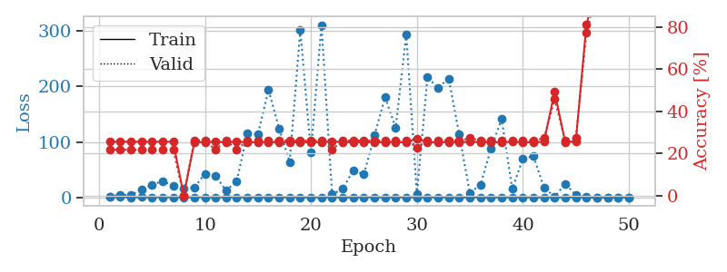
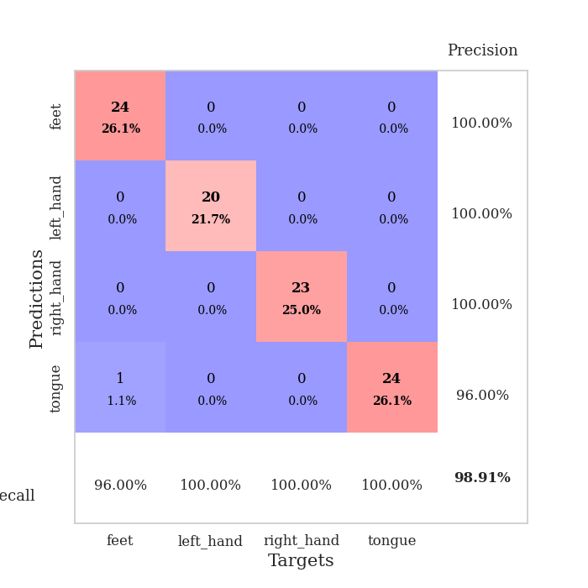
train_loss | valid_loss | train_accuracy | valid_accuracy | dur | train_misclass | valid_misclass
1.062284664 | 1.5215834535 | 0.25543478261 | 0.21739130435 | 0.087546825409 | 25.543478261 | 21.739130435
0.59506771098 | 4.7392655041 | 0.25543478261 | 0.21739130435 | 0.087643623352 | 25.543478261 | 21.739130435
0.38090947789 | 4.3300680285 | 0.25543478261 | 0.21739130435 | 0.087556362152 | 25.543478261 | 21.739130435
0.46007498775 | 13.611009183 | 0.25543478261 | 0.21739130435 | 0.089725732803 | 25.543478261 | 21.739130435
0.39820480671 | 22.723243382 | 0.25543478261 | 0.21739130435 | 0.088617086411 | 25.543478261 | 21.739130435
0.41788230739 | 29.375956079 | 0.25543478261 | 0.21739130435 | 0.087936162949 | 25.543478261 | 21.739130435
0.27193532398 | 21.155743557 | 0.25543478261 | 0.21739130435 | 0.087492465973 | 25.543478261 | 21.739130435
0.28318892776 | 15.185302444 | 0 | 0 | 0.087556362152 | 0 | 0
0.26519653606 | 17.515896839 | 0.2527173913 | 0.26086956522 | 0.087631225586 | 25.27173913 | 26.086956522
0.40189557263 | 42.831672834 | 0.2527173913 | 0.26086956522 | 0.08807516098 | 25.27173913 | 26.086956522
0.26684707533 | 38.74666214 | 0.25543478261 | 0.21739130435 | 0.088360309601 | 25.543478261 | 21.739130435
0.26252837269 | 12.573983275 | 0.2527173913 | 0.26086956522 | 0.088335752487 | 25.27173913 | 26.086956522
0.34240310186 | 29.403737027 | 0.25543478261 | 0.21739130435 | 0.08827495575 | 25.543478261 | 21.739130435
0.15915369153 | 115.26481728 | 0.2527173913 | 0.26086956522 | 0.087964773178 | 25.27173913 | 26.086956522
0.23295397554 | 113.93630749 | 0.2527173913 | 0.26086956522 | 0.088972806931 | 25.27173913 | 26.086956522
0.26068400786 | 193.96981612 | 0.2527173913 | 0.26086956522 | 0.087061882019 | 25.27173913 | 26.086956522
0.13272850256 | 124.3509611 | 0.2527173913 | 0.26086956522 | 0.087008476257 | 25.27173913 | 26.086956522
0.2299552785 | 63.987510184 | 0.2527173913 | 0.26086956522 | 0.088240623474 | 25.27173913 | 26.086956522
0.12983893854 | 301.25394207 | 0.2527173913 | 0.26086956522 | 0.088223457336 | 25.27173913 | 26.086956522
0.077680421062 | 81.660879384 | 0.2527173913 | 0.26086956522 | 0.088186979294 | 25.27173913 | 26.086956522
0.080266235659 | 310.90585062 | 0.2527173913 | 0.26086956522 | 0.088156461716 | 25.27173913 | 26.086956522
0.10305353675 | 5.5407461913 | 0.25815217391 | 0.21739130435 | 0.087724685669 | 25.815217391 | 21.739130435
0.1897979775 | 15.621377199 | 0.2527173913 | 0.26086956522 | 0.088075637817 | 25.27173913 | 26.086956522
0.087788764428 | 48.544657334 | 0.2527173913 | 0.26086956522 | 0.087844371796 | 25.27173913 | 26.086956522
0.14260542425 | 41.621129409 | 0.2527173913 | 0.26086956522 | 0.087946176529 | 25.27173913 | 26.086956522
0.20559091732 | 111.76704738 | 0.2527173913 | 0.26086956522 | 0.088092327118 | 25.27173913 | 26.086956522
0.11962231342 | 180.79625337 | 0.2527173913 | 0.26086956522 | 0.088054418564 | 25.27173913 | 26.086956522
0.34861387604 | 125.64972322 | 0.2527173913 | 0.26086956522 | 0.088796615601 | 25.27173913 | 26.086956522
0.1933794527 | 293.93238499 | 0.2527173913 | 0.26086956522 | 0.088784217834 | 25.27173913 | 26.086956522
0.12849205886 | 5.3680465325 | 0.26902173913 | 0.22826086957 | 0.088083028793 | 26.902173913 | 22.826086957
0.09768290923 | 216.55129142 | 0.2527173913 | 0.26086956522 | 0.088102340698 | 25.27173913 | 26.086956522
0.079613809251 | 197.51564358 | 0.2527173913 | 0.26086956522 | 0.087970972061 | 25.27173913 | 26.086956522
0.10614094195 | 214.47696918 | 0.2527173913 | 0.26086956522 | 0.088002920151 | 25.27173913 | 26.086956522
0.077547531109 | 113.20980536 | 0.2527173913 | 0.26086956522 | 0.087792158127 | 25.27173913 | 26.086956522
0.069063289638 | 8.2101430893 | 0.25543478261 | 0.27173913043 | 0.087962150574 | 25.543478261 | 27.173913043
0.12567430022 | 22.636912387 | 0.2527173913 | 0.26086956522 | 0.088207483292 | 25.27173913 | 26.086956522
0.045121784362 | 88.241934735 | 0.2527173913 | 0.26086956522 | 0.088188648224 | 25.27173913 | 26.086956522
0.16057411063 | 141.30866142 | 0.2527173913 | 0.26086956522 | 0.090608119965 | 25.27173913 | 26.086956522
0.051742882058 | 15.229230964 | 0.25543478261 | 0.26086956522 | 0.088451147079 | 25.543478261 | 26.086956522
0.057514215334 | 69.470035055 | 0.2527173913 | 0.26086956522 | 0.088146209717 | 25.27173913 | 26.086956522
0.12776970913 | 74.473656696 | 0.2527173913 | 0.26086956522 | 0.088101387024 | 25.27173913 | 26.086956522
0.086699663307 | 17.911487165 | 0.25543478261 | 0.27173913043 | 0.088017225266 | 25.543478261 | 27.173913043
0.069998966813 | 1.1627772787 | 0.49184782609 | 0.45652173913 | 0.088250398636 | 49.184782609 | 45.652173913
0.03019029309 | 24.509439303 | 0.2527173913 | 0.26086956522 | 0.088212966919 | 25.27173913 | 26.086956522
0.074567155143 | 4.6396388178 | 0.25815217391 | 0.27173913043 | 0.088218450546 | 25.815217391 | 27.173913043
0.038264762448 | 0.59063310209 | 0.8097826087 | 0.77173913043 | 0.088162660599 | 80.97826087 | 77.173913043
0.049787866276 | 0.10199448547 | 0.9972826087 | 0.96739130435 | 0.088639974594 | 99.72826087 | 96.739130435
0.047444653414 | 0.038323410584 | 1 | 0.97826086957 | 0.088322162628 | 100 | 97.826086957
0.054638012155 | 0.037262751336 | 1 | 0.98913043478 | 0.088449001312 | 100 | 98.913043478
0.042633148639 | 0.037234427185 | 1 | 0.98913043478 | 0.08820772171 | 100 | 98.913043478

Best Val accuracy is 0.9891304347826086 and Best test accuracy is 1.0

Sheet3
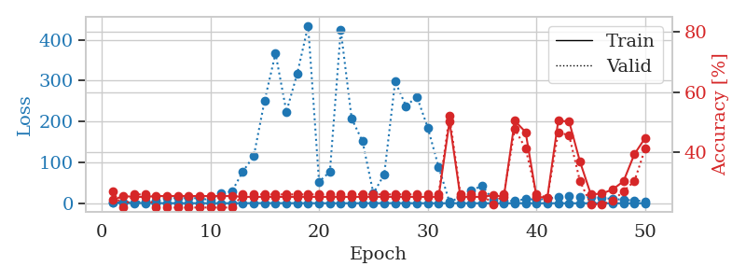
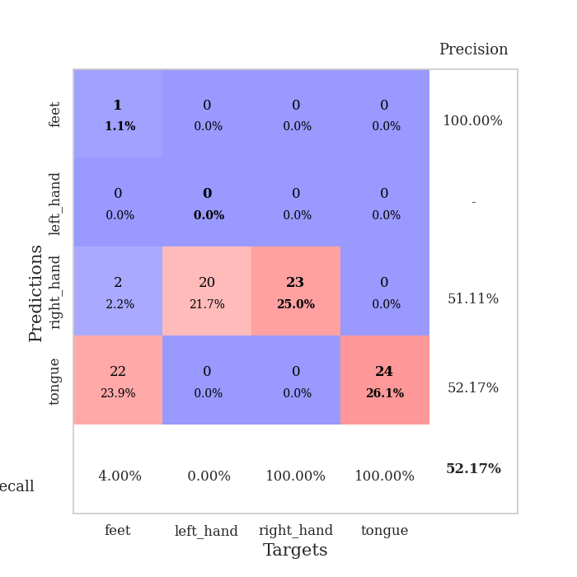
train_loss | valid_loss | train_accuracy | valid_accuracy | dur | train_misclass | valid_misclass
1.0647414664 | 1.3918753551 | 0.24184782609 | 0.27173913043 | 0.088154315948 | 24.184782609 | 27.173913043
0.77622962905 | 2.5056832251 | 0.25543478261 | 0.21739130435 | 0.087499380112 | 25.543478261 | 21.739130435
0.5338842357 | 1.9104680963 | 0.2527173913 | 0.26086956522 | 0.087484121323 | 25.27173913 | 26.086956522
0.53500907123 | 5.0355921621 | 0.2527173913 | 0.26086956522 | 0.087838172913 | 25.27173913 | 26.086956522
0.4502434805 | 5.3564171791 | 0.25543478261 | 0.21739130435 | 0.087597370148 | 25.543478261 | 21.739130435
0.24236184974 | 13.887363061 | 0.25543478261 | 0.21739130435 | 0.087823152542 | 25.543478261 | 21.739130435
0.27350655652 | 12.214372759 | 0.25543478261 | 0.21739130435 | 0.087598323822 | 25.543478261 | 21.739130435
0.24799579981 | 13.009699614 | 0.25543478261 | 0.21739130435 | 0.08752822876 | 25.543478261 | 21.739130435
0.298326618 | 12.22616461 | 0.25543478261 | 0.21739130435 | 0.087645292282 | 25.543478261 | 21.739130435
0.21733632554 | 7.6717125022 | 0.25543478261 | 0.21739130435 | 0.087524175644 | 25.543478261 | 21.739130435
0.27272468125 | 23.471496333 | 0.25543478261 | 0.21739130435 | 0.08778834343 | 25.543478261 | 21.739130435
0.20145998215 | 29.389006242 | 0.25543478261 | 0.21739130435 | 0.087565660477 | 25.543478261 | 21.739130435
0.36982433579 | 77.969295668 | 0.2527173913 | 0.26086956522 | 0.087568759918 | 25.27173913 | 26.086956522
0.21513685503 | 115.35518646 | 0.2527173913 | 0.26086956522 | 0.087744951248 | 25.27173913 | 26.086956522
0.50197761085 | 251.59901495 | 0.2527173913 | 0.26086956522 | 0.087476015091 | 25.27173913 | 26.086956522
0.27160965408 | 366.78055871 | 0.2527173913 | 0.26086956522 | 0.087567090988 | 25.27173913 | 26.086956522
0.30309221991 | 223.8833512 | 0.2527173913 | 0.26086956522 | 0.08741235733 | 25.27173913 | 26.086956522
0.22000360278 | 317.65166573 | 0.2527173913 | 0.26086956522 | 0.087636232376 | 25.27173913 | 26.086956522
0.25925428906 | 434.45689724 | 0.2527173913 | 0.26086956522 | 0.090145587921 | 25.27173913 | 26.086956522
0.15425859367 | 52.673569555 | 0.2527173913 | 0.26086956522 | 0.088340520859 | 25.27173913 | 26.086956522
0.18188340184 | 76.986743098 | 0.2527173913 | 0.26086956522 | 0.087738990784 | 25.27173913 | 26.086956522
0.18763868758 | 423.62702212 | 0.2527173913 | 0.26086956522 | 0.087711811066 | 25.27173913 | 26.086956522
0.19335334456 | 207.25339143 | 0.2527173913 | 0.26086956522 | 0.087793111801 | 25.27173913 | 26.086956522
0.22912173548 | 151.4619824 | 0.2527173913 | 0.26086956522 | 0.08765912056 | 25.27173913 | 26.086956522
0.10149591971 | 23.969534501 | 0.2527173913 | 0.26086956522 | 0.087775945663 | 25.27173913 | 26.086956522
0.45790788709 | 70.839814228 | 0.2527173913 | 0.26086956522 | 0.087529420853 | 25.27173913 | 26.086956522
0.26224720122 | 297.79180377 | 0.2527173913 | 0.26086956522 | 0.087941408157 | 25.27173913 | 26.086956522
0.21642159768 | 237.72147071 | 0.2527173913 | 0.26086956522 | 0.087838172913 | 25.27173913 | 26.086956522
0.18008892927 | 260.66885575 | 0.2527173913 | 0.26086956522 | 0.087718009949 | 25.27173913 | 26.086956522
0.15392172102 | 185.14165397 | 0.2527173913 | 0.26086956522 | 0.087766647339 | 25.27173913 | 26.086956522
0.12338061015 | 88.8630663 | 0.2527173913 | 0.26086956522 | 0.087702989578 | 25.27173913 | 26.086956522
0.17896582923 | 2.9286293983 | 0.5027173913 | 0.52173913043 | 0.087941646576 | 50.27173913 | 52.173913043
0.1712448997 | 15.107807947 | 0.2527173913 | 0.26086956522 | 0.088118553162 | 25.27173913 | 26.086956522
0.12079815915 | 31.288112226 | 0.2527173913 | 0.26086956522 | 0.088981151581 | 25.27173913 | 26.086956522
0.11414192103 | 42.693772192 | 0.2527173913 | 0.26086956522 | 0.088241815567 | 25.27173913 | 26.086956522
0.08123929252 | 8.3811045522 | 0.25815217391 | 0.22826086957 | 0.087884664536 | 25.815217391 | 22.826086957
0.079899163795 | 5.7617638629 | 0.2527173913 | 0.26086956522 | 0.087740421295 | 25.27173913 | 26.086956522
0.080590468224 | 5.3866251033 | 0.50543478261 | 0.47826086957 | 0.087914705276 | 50.543478261 | 47.826086957
0.36176069648 | 10.372592967 | 0.46739130435 | 0.41304347826 | 0.087676048279 | 46.739130435 | 41.304347826
0.10026731573 | 8.9246593558 | 0.2527173913 | 0.26086956522 | 0.087869405746 | 25.27173913 | 26.086956522
0.15334478075 | 10.815760944 | 0.25 | 0.25 | 0.08803486824 | 25 | 25
0.07248965667 | 16.491914915 | 0.50543478261 | 0.46739130435 | 0.088078260422 | 50.543478261 | 46.739130435
0.062209178997 | 16.865388953 | 0.5027173913 | 0.45652173913 | 0.092292308807 | 50.27173913 | 45.652173913
0.085664732584 | 15.854047361 | 0.36956521739 | 0.30434782609 | 0.087512016296 | 36.956521739 | 30.434782609
0.07721650151 | 15.817046373 | 0.26086956522 | 0.22826086957 | 0.087451696396 | 26.086956522 | 22.826086957
0.040722481765 | 13.226287344 | 0.26358695652 | 0.22826086957 | 0.087538719177 | 26.358695652 | 22.826086957
0.057262941426 | 10.467281964 | 0.27717391304 | 0.23913043478 | 0.087823867798 | 27.717391304 | 23.913043478
0.047759081601 | 8.6525450582 | 0.30434782609 | 0.27173913043 | 0.087760686874 | 30.434782609 | 27.173913043
0.045902639931 | 6.7659705825 | 0.39402173913 | 0.30434782609 | 0.08772611618 | 39.402173913 | 30.434782609
0.099197424503 | 5.1252267464 | 0.44836956522 | 0.41304347826 | 0.088537454605 | 44.836956522 | 41.304347826

Best Val accuracy is 0.5217391304347826 and Best test accuracy is 0.4827586206896552

Sheet4
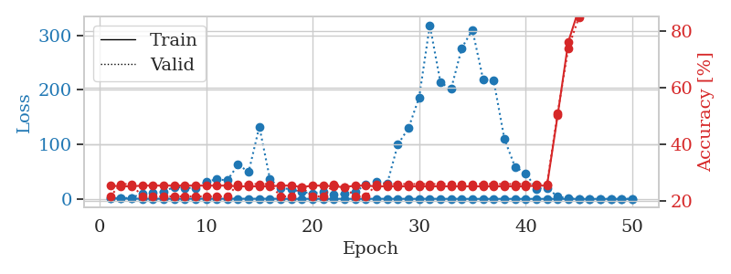
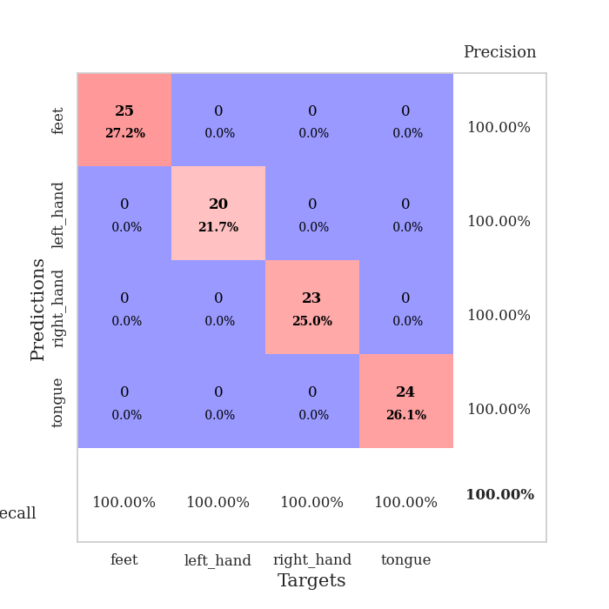
train_loss | valid_loss | train_accuracy | valid_accuracy | dur | train_misclass | valid_misclass
1.0932024095 | 1.4352048014 | 0.25543478261 | 0.21739130435 | 0.088497161865 | 25.543478261 | 21.739130435
0.66477167606 | 1.5795253515 | 0.2527173913 | 0.26086956522 | 0.087325811386 | 25.27173913 | 26.086956522
0.50791707959 | 1.7767872396 | 0.2527173913 | 0.26086956522 | 0.087930679321 | 25.27173913 | 26.086956522
0.36299131811 | 10.11316967 | 0.25543478261 | 0.21739130435 | 0.08778834343 | 25.543478261 | 21.739130435
0.34015140747 | 12.133133142 | 0.25543478261 | 0.21739130435 | 0.087903022766 | 25.543478261 | 21.739130435
0.3577456808 | 12.625786491 | 0.25543478261 | 0.21739130435 | 0.087671041489 | 25.543478261 | 21.739130435
0.31245873447 | 22.139916213 | 0.25543478261 | 0.21739130435 | 0.088088035583 | 25.543478261 | 21.739130435
0.31289889145 | 20.384639408 | 0.25543478261 | 0.21739130435 | 0.087885379791 | 25.543478261 | 21.739130435
0.39197764173 | 19.52634007 | 0.25543478261 | 0.21739130435 | 0.087935209274 | 25.543478261 | 21.739130435
0.37880545174 | 32.010905722 | 0.25543478261 | 0.21739130435 | 0.087698221207 | 25.543478261 | 21.739130435
0.25342150486 | 35.627269745 | 0.25543478261 | 0.21739130435 | 0.088132381439 | 25.543478261 | 21.739130435
0.34671229918 | 34.16767734 | 0.25543478261 | 0.21739130435 | 0.087833881378 | 25.543478261 | 21.739130435
0.39827272199 | 62.489718396 | 0.2527173913 | 0.26086956522 | 0.088173389435 | 25.27173913 | 26.086956522
0.22739694494 | 49.644178142 | 0.2527173913 | 0.26086956522 | 0.087816953659 | 25.27173913 | 26.086956522
0.34029933899 | 132.43927699 | 0.2527173913 | 0.26086956522 | 0.087971448898 | 25.27173913 | 26.086956522
0.30577648544 | 35.943931248 | 0.2527173913 | 0.26086956522 | 0.087926864624 | 25.27173913 | 26.086956522
0.24972193222 | 19.712648392 | 0.25543478261 | 0.21739130435 | 0.087789535522 | 25.543478261 | 21.739130435
0.14483418555 | 17.838081111 | 0.25543478261 | 0.21739130435 | 0.087864160538 | 25.543478261 | 21.739130435
0.19963425722 | 12.357959374 | 0.25 | 0.25 | 0.087847232819 | 25 | 25
0.1528739751 | 10.371243021 | 0.25543478261 | 0.21739130435 | 0.08793091774 | 25.543478261 | 21.739130435
0.20277661296 | 13.091229688 | 0.25543478261 | 0.21739130435 | 0.08800983429 | 25.543478261 | 21.739130435
0.13697644307 | 7.8641351202 | 0.2527173913 | 0.26086956522 | 0.087780714035 | 25.27173913 | 26.086956522
0.14340145355 | 9.0636569728 | 0.25 | 0.25 | 0.087889432907 | 25 | 25
0.15797963427 | 13.388019396 | 0.25543478261 | 0.21739130435 | 0.088019609451 | 25.543478261 | 21.739130435
0.12519570602 | 25.734240408 | 0.25543478261 | 0.21739130435 | 0.087825059891 | 25.543478261 | 21.739130435
0.23600785264 | 30.7627969 | 0.2527173913 | 0.26086956522 | 0.08789229393 | 25.27173913 | 26.086956522
0.19143570749 | 27.961928575 | 0.2527173913 | 0.26086956522 | 0.088051795959 | 25.27173913 | 26.086956522
0.2084019502 | 99.63235739 | 0.2527173913 | 0.26086956522 | 0.088121652603 | 25.27173913 | 26.086956522
0.12301159634 | 129.78671829 | 0.2527173913 | 0.26086956522 | 0.087969064713 | 25.27173913 | 26.086956522
0.10961433484 | 185.92775892 | 0.2527173913 | 0.26086956522 | 0.08772277832 | 25.27173913 | 26.086956522
0.27575995976 | 318.45848283 | 0.2527173913 | 0.26086956522 | 0.088080883026 | 25.27173913 | 26.086956522
0.11546269468 | 213.20874488 | 0.2527173913 | 0.26086956522 | 0.087875127792 | 25.27173913 | 26.086956522
0.17510155531 | 201.44501197 | 0.2527173913 | 0.26086956522 | 0.087860107422 | 25.27173913 | 26.086956522
0.16181707585 | 276.44403872 | 0.2527173913 | 0.26086956522 | 0.087802171707 | 25.27173913 | 26.086956522
0.046770099712 | 309.96007107 | 0.2527173913 | 0.26086956522 | 0.088250875473 | 25.27173913 | 26.086956522
0.083680155363 | 218.95215043 | 0.2527173913 | 0.26086956522 | 0.08792424202 | 25.27173913 | 26.086956522
0.099390146839 | 216.40762926 | 0.2527173913 | 0.26086956522 | 0.087875127792 | 25.27173913 | 26.086956522
0.099578172718 | 109.76720263 | 0.2527173913 | 0.26086956522 | 0.088027954102 | 25.27173913 | 26.086956522
0.08208434472 | 58.643173384 | 0.2527173913 | 0.26086956522 | 0.087967634201 | 25.27173913 | 26.086956522
0.069105775905 | 46.872675523 | 0.2527173913 | 0.26086956522 | 0.087816238403 | 25.27173913 | 26.086956522
0.068489517085 | 18.591435474 | 0.25543478261 | 0.26086956522 | 0.087825775146 | 25.543478261 | 26.086956522
0.091006734732 | 20.385128353 | 0.25543478261 | 0.26086956522 | 0.087779760361 | 25.543478261 | 26.086956522
0.054417808601 | 4.0007309603 | 0.5027173913 | 0.51086956522 | 0.087778568268 | 50.27173913 | 51.086956522
0.045975332189 | 1.2951184278 | 0.76086956522 | 0.73913043478 | 0.088191270828 | 76.086956522 | 73.913043478
0.10076866092 | 0.3057512479 | 0.8777173913 | 0.84782608696 | 0.088142156601 | 87.77173913 | 84.782608696
0.075679702745 | 0.085635831175 | 1 | 0.96739130435 | 0.088146686554 | 100 | 96.739130435
0.079490341692 | 0.043647181769 | 1 | 0.98913043478 | 0.088019609451 | 100 | 98.913043478
0.079934905121 | 0.040778162322 | 1 | 1 | 0.088267564774 | 100 | 100
0.060432670638 | 0.039282330332 | 1 | 1 | 0.088366985321 | 100 | 100
0.050029100324 | 0.036814722415 | 1 | 0.98913043478 | 0.088061094284 | 100 | 98.913043478

Best Val accuracy is 1.0 and Best test accuracy is 0.9741379310344828

Sheet5
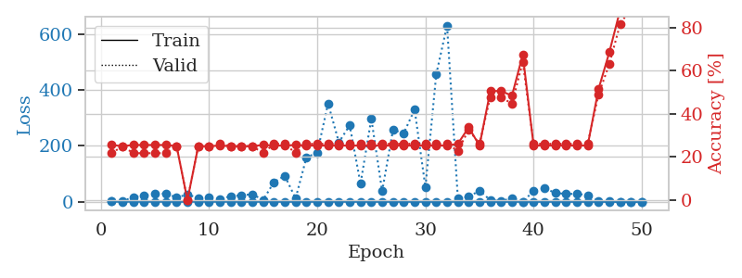
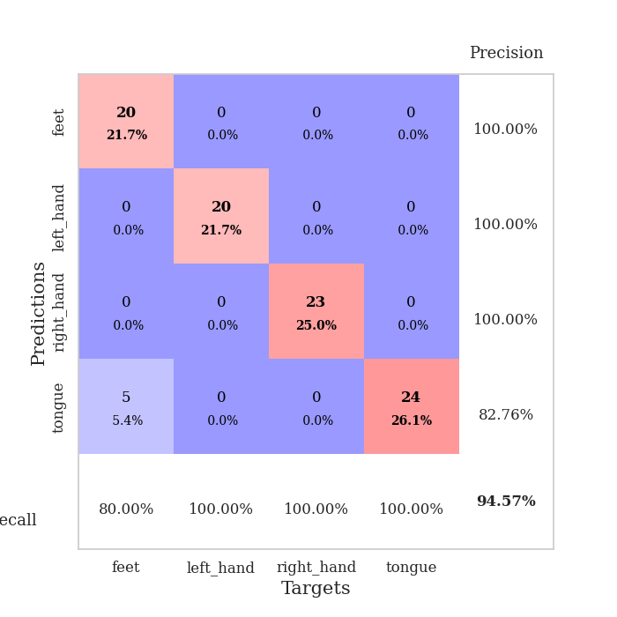
train_loss | valid_loss | train_accuracy | valid_accuracy | dur | train_misclass | valid_misclass
1.0133670491 | 1.4314116758 | 0.25543478261 | 0.21739130435 | 0.088334083557 | 25.543478261 | 21.739130435
0.60721306179 | 2.1099133388 | 0.25 | 0.25 | 0.08688211441 | 25 | 25
0.40095499482 | 17.003936685 | 0.25543478261 | 0.21739130435 | 0.086973667145 | 25.543478261 | 21.739130435
0.37707672851 | 23.236017891 | 0.25543478261 | 0.21739130435 | 0.087865829468 | 25.543478261 | 21.739130435
0.34102658782 | 27.670509007 | 0.25543478261 | 0.21739130435 | 0.087834358215 | 25.543478261 | 21.739130435
0.31505294063 | 29.675515714 | 0.25543478261 | 0.21739130435 | 0.088533878326 | 25.543478261 | 21.739130435
0.25509152902 | 15.267861449 | 0.25 | 0.25 | 0.088867425919 | 25 | 25
0.30233763393 | 26.129850388 | 0 | 0 | 0.088444232941 | 0 | 0
0.5580681854 | 13.754494501 | 0.25 | 0.25 | 0.088294506073 | 25 | 25
0.35920225861 | 15.713044042 | 0.25 | 0.25 | 0.089758396149 | 25 | 25
0.32918012207 | 10.085886624 | 0.2527173913 | 0.26086956522 | 0.088423252106 | 25.27173913 | 26.086956522
0.39212000419 | 19.642273696 | 0.25 | 0.25 | 0.08837890625 | 25 | 25
0.28817679506 | 23.481678921 | 0.25 | 0.25 | 0.088261604309 | 25 | 25
0.26777256879 | 26.718747678 | 0.25 | 0.25 | 0.088185071945 | 25 | 25
0.24883162684 | 6.8532486999 | 0.25543478261 | 0.21739130435 | 0.088286876678 | 25.543478261 | 21.739130435
0.21224035598 | 70.365441032 | 0.2527173913 | 0.26086956522 | 0.088202476501 | 25.27173913 | 26.086956522
0.1385051996 | 92.810601608 | 0.2527173913 | 0.26086956522 | 0.088308811188 | 25.27173913 | 26.086956522
0.16962864963 | 11.978855589 | 0.25543478261 | 0.21739130435 | 0.088230371475 | 25.543478261 | 21.739130435
0.32243745527 | 158.85383208 | 0.2527173913 | 0.26086956522 | 0.088380098343 | 25.27173913 | 26.086956522
0.19222555957 | 175.52211198 | 0.2527173913 | 0.26086956522 | 0.088141918182 | 25.27173913 | 26.086956522
0.19605574676 | 352.01589966 | 0.2527173913 | 0.26086956522 | 0.088260173798 | 25.27173913 | 26.086956522
0.2719303657 | 212.80532439 | 0.2527173913 | 0.26086956522 | 0.088229179382 | 25.27173913 | 26.086956522
0.23068156903 | 273.81640758 | 0.2527173913 | 0.26086956522 | 0.08851313591 | 25.27173913 | 26.086956522
0.10573344074 | 64.33428159 | 0.2527173913 | 0.26086956522 | 0.088203430176 | 25.27173913 | 26.086956522
0.14724533547 | 297.74067754 | 0.2527173913 | 0.26086956522 | 0.088151454926 | 25.27173913 | 26.086956522
0.08806657447 | 37.754206948 | 0.2527173913 | 0.26086956522 | 0.087991714478 | 25.27173913 | 26.086956522
0.13368155985 | 257.18633967 | 0.2527173913 | 0.26086956522 | 0.088155984879 | 25.27173913 | 26.086956522
0.23278095047 | 245.69674749 | 0.2527173913 | 0.26086956522 | 0.087735176086 | 25.27173913 | 26.086956522
0.13423537925 | 330.55540931 | 0.2527173913 | 0.26086956522 | 0.087908267975 | 25.27173913 | 26.086956522
0.10316162366 | 52.413735929 | 0.2527173913 | 0.26086956522 | 0.088106155396 | 25.27173913 | 26.086956522
0.14655689035 | 455.73315297 | 0.2527173913 | 0.26086956522 | 0.088159799576 | 25.27173913 | 26.086956522
0.092600263291 | 630.87602964 | 0.2527173913 | 0.26086956522 | 0.088250875473 | 25.27173913 | 26.086956522
0.2901082017 | 11.778850058 | 0.26086956522 | 0.22826086957 | 0.088003873825 | 26.086956522 | 22.826086957
0.056444871361 | 17.745306181 | 0.33695652174 | 0.32608695652 | 0.088131666183 | 33.695652174 | 32.608695652
0.087244051569 | 39.932340041 | 0.2527173913 | 0.26086956522 | 0.088124513626 | 25.27173913 | 26.086956522
0.10226191599 | 5.7602254826 | 0.50543478261 | 0.47826086957 | 0.088208436966 | 50.543478261 | 47.826086957
0.094187307576 | 2.9791741164 | 0.50543478261 | 0.47826086957 | 0.088751077652 | 50.543478261 | 47.826086957
0.072047141705 | 12.649511379 | 0.48369565217 | 0.44565217391 | 0.088199615479 | 48.369565217 | 44.565217391
0.17410383218 | 0.76243416382 | 0.67391304348 | 0.64130434783 | 0.088267087936 | 67.391304348 | 64.130434783
0.068545763016 | 38.022024238 | 0.2527173913 | 0.26086956522 | 0.088501214981 | 25.27173913 | 26.086956522
0.07137672016 | 48.961189602 | 0.2527173913 | 0.26086956522 | 0.088162899017 | 25.27173913 | 26.086956522
0.11196137291 | 31.722230414 | 0.2527173913 | 0.26086956522 | 0.088478088379 | 25.27173913 | 26.086956522
0.063437472867 | 28.008327567 | 0.2527173913 | 0.26086956522 | 0.08833694458 | 25.27173913 | 26.086956522
0.064022111787 | 28.558290482 | 0.2527173913 | 0.26086956522 | 0.08812713623 | 25.27173913 | 26.086956522
0.068351780166 | 23.710890977 | 0.2527173913 | 0.26086956522 | 0.088387012482 | 25.27173913 | 26.086956522
0.075032117655 | 2.6928393633 | 0.51358695652 | 0.48913043478 | 0.088238954544 | 51.358695652 | 48.913043478
0.090129242076 | 0.85126789756 | 0.6847826087 | 0.63043478261 | 0.08806014061 | 68.47826087 | 63.043478261
0.056167878332 | 0.39812109133 | 0.88043478261 | 0.8152173913 | 0.087986707687 | 88.043478261 | 81.52173913
0.048232644148 | 0.25342101895 | 0.93206521739 | 0.89130434783 | 0.088153123856 | 93.206521739 | 89.130434783
0.10866850145 | 0.15027125666 | 0.97282608696 | 0.94565217391 | 0.088010311127 | 97.282608696 | 94.565217391

Best Val accuracy is 0.9456521739130435 and Best test accuracy is 0.8879310344827587

Sheet6
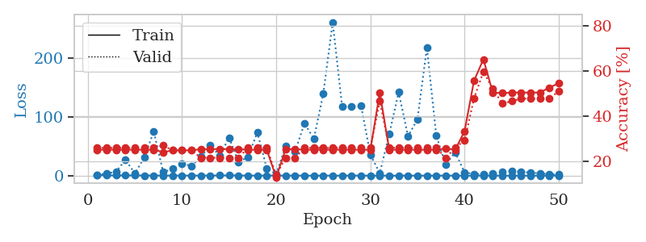
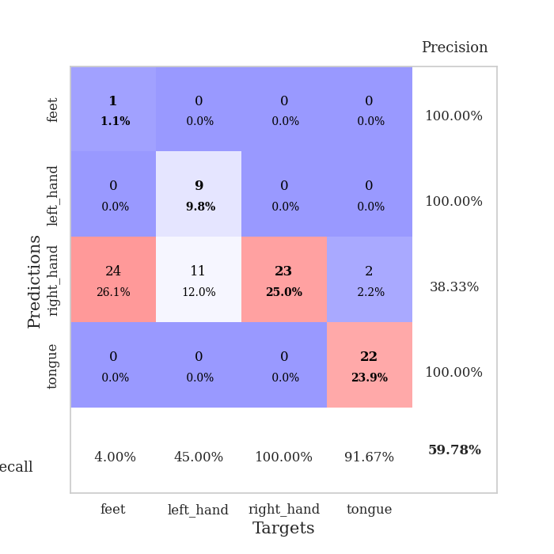
train_loss | valid_loss | train_accuracy | valid_accuracy | dur | train_misclass | valid_misclass
1.1163633129 | 1.6731423243 | 0.2527173913 | 0.26086956522 | 0.08823466301 | 25.27173913 | 26.086956522
0.64410070881 | 3.4831372966 | 0.2527173913 | 0.26086956522 | 0.087188243866 | 25.27173913 | 26.086956522
0.4764505858 | 6.9239471892 | 0.2527173913 | 0.26086956522 | 0.086882829666 | 25.27173913 | 26.086956522
0.60672143361 | 26.981982107 | 0.2527173913 | 0.26086956522 | 0.086721658707 | 25.27173913 | 26.086956522
0.49242969052 | 3.6901154311 | 0.2527173913 | 0.26086956522 | 0.08692407608 | 25.27173913 | 26.086956522
0.37165073208 | 31.492511583 | 0.2527173913 | 0.26086956522 | 0.087044715881 | 25.27173913 | 26.086956522
0.30595519458 | 75.306667494 | 0.2527173913 | 0.26086956522 | 0.087402105331 | 25.27173913 | 26.086956522
0.30813727981 | 5.9169452709 | 0.24184782609 | 0.27173913043 | 0.086238384247 | 24.184782609 | 27.173913043
0.21896887506 | 11.636760919 | 0.25 | 0.25 | 0.086893081665 | 25 | 25
0.16430802611 | 20.537576427 | 0.25 | 0.25 | 0.087382078171 | 25 | 25
0.28568600102 | 16.556443505 | 0.25 | 0.25 | 0.087903499603 | 25 | 25
0.23864718656 | 31.963581749 | 0.25543478261 | 0.21739130435 | 0.087470054626 | 25.543478261 | 21.739130435
0.26220907708 | 51.378999627 | 0.25543478261 | 0.21739130435 | 0.087472677231 | 25.543478261 | 21.739130435
0.42887646478 | 34.060244519 | 0.25543478261 | 0.21739130435 | 0.087535142899 | 25.543478261 | 21.739130435
0.48741308357 | 64.835104237 | 0.25543478261 | 0.21739130435 | 0.087450504303 | 25.543478261 | 21.739130435
0.25607598929 | 23.243860742 | 0.25543478261 | 0.21739130435 | 0.087484359741 | 25.543478261 | 21.739130435
0.26333102487 | 31.910053253 | 0.2527173913 | 0.26086956522 | 0.087510108948 | 25.27173913 | 26.086956522
0.19726691662 | 73.710261469 | 0.2527173913 | 0.26086956522 | 0.086935281754 | 25.27173913 | 26.086956522
0.24108746421 | 12.302986808 | 0.2527173913 | 0.26086956522 | 0.086934566498 | 25.27173913 | 26.086956522
0.19157908614 | 2.561595046 | 0.13043478261 | 0.14130434783 | 0.086864948273 | 13.043478261 | 14.130434783
0.14691801531 | 50.021064592 | 0.25543478261 | 0.21739130435 | 0.086871862411 | 25.543478261 | 21.739130435
0.17012610238 | 40.802533357 | 0.25543478261 | 0.21739130435 | 0.086982011795 | 25.543478261 | 21.739130435
0.19943217346 | 88.903493798 | 0.2527173913 | 0.26086956522 | 0.086952447891 | 25.27173913 | 26.086956522
0.10074790923 | 62.870235941 | 0.2527173913 | 0.26086956522 | 0.086943626404 | 25.27173913 | 26.086956522
0.17132236975 | 139.50060571 | 0.2527173913 | 0.26086956522 | 0.086995124817 | 25.27173913 | 26.086956522
0.098897280091 | 261.19991601 | 0.2527173913 | 0.26086956522 | 0.087530612946 | 25.27173913 | 26.086956522
0.094963715209 | 117.4804515 | 0.2527173913 | 0.26086956522 | 0.08695101738 | 25.27173913 | 26.086956522
0.25858827794 | 118.00631548 | 0.2527173913 | 0.26086956522 | 0.086954593658 | 25.27173913 | 26.086956522
0.17660492646 | 119.71313609 | 0.2527173913 | 0.26086956522 | 0.086883068085 | 25.27173913 | 26.086956522
0.090454632416 | 35.899463322 | 0.2527173913 | 0.26086956522 | 0.086809158325 | 25.27173913 | 26.086956522
0.10200593693 | 4.3301932604 | 0.50543478261 | 0.46739130435 | 0.086921691895 | 50.543478261 | 46.739130435
0.11414581149 | 70.453794396 | 0.2527173913 | 0.26086956522 | 0.089690923691 | 25.27173913 | 26.086956522
0.080848595198 | 141.84420975 | 0.2527173913 | 0.26086956522 | 0.086686134338 | 25.27173913 | 26.086956522
0.14720816754 | 67.187829723 | 0.2527173913 | 0.26086956522 | 0.086172819138 | 25.27173913 | 26.086956522
0.10073495352 | 96.077297377 | 0.2527173913 | 0.26086956522 | 0.086100101471 | 25.27173913 | 26.086956522
0.10826999383 | 217.698075 | 0.2527173913 | 0.26086956522 | 0.085903644562 | 25.27173913 | 26.086956522
0.098674024941 | 67.871110833 | 0.2527173913 | 0.26086956522 | 0.085896015167 | 25.27173913 | 26.086956522
0.15945853552 | 18.415540529 | 0.25815217391 | 0.21739130435 | 0.085925340652 | 25.815217391 | 21.739130435
0.14612387664 | 40.076438904 | 0.2527173913 | 0.26086956522 | 0.085386753082 | 25.27173913 | 26.086956522
0.072459518424 | 5.7060570302 | 0.33423913043 | 0.29347826087 | 0.085097551346 | 33.423913043 | 29.347826087
0.074916512564 | 2.7990768059 | 0.55706521739 | 0.47826086957 | 0.084643602371 | 55.706521739 | 47.826086957
0.067287415064 | 2.9553794654 | 0.65217391304 | 0.59782608696 | 0.084826469421 | 65.217391304 | 59.782608696
0.10930005732 | 3.3021464141 | 0.50543478261 | 0.52173913043 | 0.088473320007 | 50.543478261 | 52.173913043
0.088028654841 | 5.9442774731 | 0.5027173913 | 0.45652173913 | 0.086999893188 | 50.27173913 | 45.652173913
0.089045888056 | 8.4858691174 | 0.50543478261 | 0.46739130435 | 0.087214231491 | 50.543478261 | 46.739130435
0.070901496741 | 6.2364651846 | 0.50543478261 | 0.47826086957 | 0.08713054657 | 50.543478261 | 47.826086957
0.092069379014 | 5.452658363 | 0.50543478261 | 0.47826086957 | 0.087706804276 | 50.543478261 | 47.826086957
0.061181573035 | 3.8372258 | 0.50543478261 | 0.47826086957 | 0.087736845016 | 50.543478261 | 47.826086957
0.062377345546 | 2.7960862388 | 0.52717391304 | 0.47826086957 | 0.087887525558 | 52.717391304 | 47.826086957
0.14938953614 | 2.0517063348 | 0.54619565217 | 0.51086956522 | 0.087935686111 | 54.619565217 | 51.086956522

Best Val accuracy is 0.5978260869565217 and Best test accuracy is 0.6293103448275862

Sheet7
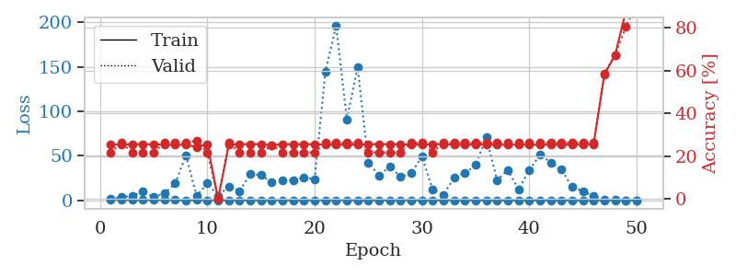
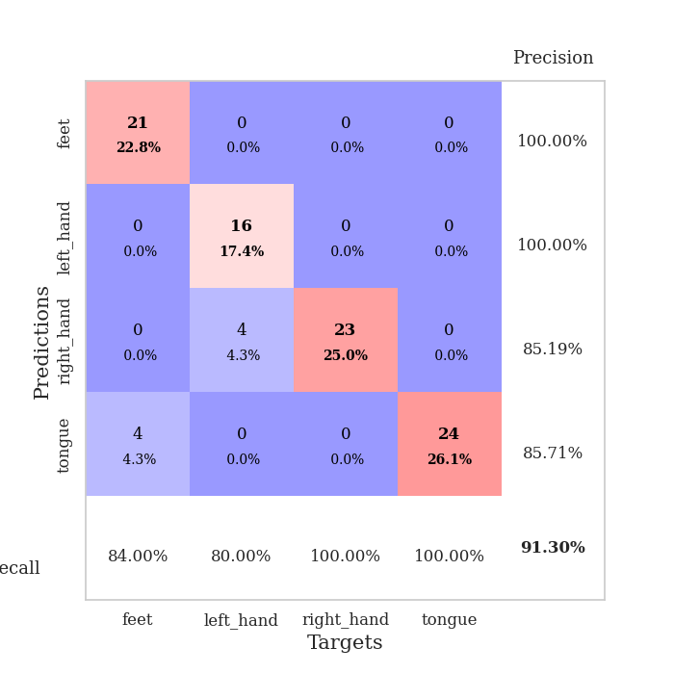
train_loss | valid_loss | train_accuracy | valid_accuracy | dur | train_misclass | valid_misclass
1.0340452078 | 1.6888007962 | 0.25543478261 | 0.21739130435 | 0.088196516037 | 25.543478261 | 21.739130435
0.63189902383 | 3.6128757 | 0.2527173913 | 0.26086956522 | 0.086737155914 | 25.27173913 | 26.086956522
0.51934437 | 5.0590125581 | 0.25543478261 | 0.21739130435 | 0.08735537529 | 25.543478261 | 21.739130435
0.38750403472 | 10.182315536 | 0.25543478261 | 0.21739130435 | 0.087744235992 | 25.543478261 | 21.739130435
0.4615466964 | 3.5774605067 | 0.25543478261 | 0.21739130435 | 0.087436914444 | 25.543478261 | 21.739130435
0.55922883555 | 8.0006422789 | 0.2527173913 | 0.26086956522 | 0.087155818939 | 25.27173913 | 26.086956522
0.40787859407 | 19.19078603 | 0.2527173913 | 0.26086956522 | 0.087292432785 | 25.27173913 | 26.086956522
0.20363311113 | 50.589609395 | 0.2527173913 | 0.26086956522 | 0.089018106461 | 25.27173913 | 26.086956522
0.45063561493 | 5.0320471266 | 0.24184782609 | 0.27173913043 | 0.086258649826 | 24.184782609 | 27.173913043
0.19495680701 | 19.053812525 | 0.25543478261 | 0.21739130435 | 0.08664727211 | 25.543478261 | 21.739130435
0.34322689636 | 5.1894745412 | 0 | 0 | 0.086405992508 | 0 | 0
0.20744981325 | 15.821640678 | 0.2527173913 | 0.26086956522 | 0.086158514023 | 25.27173913 | 26.086956522
0.24910680691 | 10.384706622 | 0.25543478261 | 0.21739130435 | 0.085861682892 | 25.543478261 | 21.739130435
0.22595558818 | 29.791226511 | 0.25543478261 | 0.21739130435 | 0.085977554321 | 25.543478261 | 21.739130435
0.197384218 | 28.484120659 | 0.25543478261 | 0.21739130435 | 0.085688352585 | 25.543478261 | 21.739130435
0.24925609135 | 20.273837629 | 0.25 | 0.25 | 0.085687875748 | 25 | 25
0.21314028489 | 22.704373318 | 0.25543478261 | 0.21739130435 | 0.085695505142 | 25.543478261 | 21.739130435
0.14513460757 | 23.029959637 | 0.25543478261 | 0.21739130435 | 0.085998535156 | 25.543478261 | 21.739130435
0.19433465827 | 25.732464998 | 0.25543478261 | 0.21739130435 | 0.085851430893 | 25.543478261 | 21.739130435
0.32505639545 | 23.984990327 | 0.25543478261 | 0.21739130435 | 0.085544347763 | 25.543478261 | 21.739130435
0.19816525839 | 145.02029485 | 0.2527173913 | 0.26086956522 | 0.085801839828 | 25.27173913 | 26.086956522
0.28562536649 | 196.02628691 | 0.2527173913 | 0.26086956522 | 0.086111307144 | 25.27173913 | 26.086956522
0.24947877204 | 91.278134553 | 0.2527173913 | 0.26086956522 | 0.086143255234 | 25.27173913 | 26.086956522
0.16986011835 | 149.51458807 | 0.2527173913 | 0.26086956522 | 0.086339712143 | 25.27173913 | 26.086956522
0.18416419471 | 42.66899623 | 0.25543478261 | 0.21739130435 | 0.086720466614 | 25.543478261 | 21.739130435
0.12935320847 | 28.067727213 | 0.25543478261 | 0.21739130435 | 0.085939884186 | 25.543478261 | 21.739130435
0.18980900425 | 38.181718909 | 0.25543478261 | 0.21739130435 | 0.086283445358 | 25.543478261 | 21.739130435
0.11598380436 | 26.491061998 | 0.25543478261 | 0.21739130435 | 0.086322307587 | 25.543478261 | 21.739130435
0.2842639973 | 30.714246916 | 0.2527173913 | 0.26086956522 | 0.08606171608 | 25.27173913 | 26.086956522
0.17377866141 | 49.388125876 | 0.2527173913 | 0.26086956522 | 0.086344718933 | 25.27173913 | 26.086956522
0.25274558207 | 11.721799229 | 0.25543478261 | 0.21739130435 | 0.08678817749 | 25.543478261 | 21.739130435
0.11497805268 | 6.5306351496 | 0.25543478261 | 0.26086956522 | 0.086613416672 | 25.543478261 | 26.086956522
0.2816598251 | 25.463515987 | 0.2527173913 | 0.26086956522 | 0.085812330246 | 25.27173913 | 26.086956522
0.26490921163 | 30.67055611 | 0.2527173913 | 0.26086956522 | 0.086012840271 | 25.27173913 | 26.086956522
0.11956242375 | 39.723520196 | 0.2527173913 | 0.26086956522 | 0.086037874222 | 25.27173913 | 26.086956522
0.12938755253 | 70.964796978 | 0.2527173913 | 0.26086956522 | 0.086090326309 | 25.27173913 | 26.086956522
0.071259688343 | 22.615774818 | 0.2527173913 | 0.26086956522 | 0.086177110672 | 25.27173913 | 26.086956522
0.10353670245 | 34.35326286 | 0.2527173913 | 0.26086956522 | 0.086134910583 | 25.27173913 | 26.086956522
0.15061633131 | 12.149233694 | 0.2527173913 | 0.26086956522 | 0.086301088333 | 25.27173913 | 26.086956522
0.091553654724 | 34.276757033 | 0.2527173913 | 0.26086956522 | 0.086291074753 | 25.27173913 | 26.086956522
0.064466744661 | 51.188662819 | 0.2527173913 | 0.26086956522 | 0.08610367775 | 25.27173913 | 26.086956522
0.074596775412 | 42.692816859 | 0.2527173913 | 0.26086956522 | 0.088900327682 | 25.27173913 | 26.086956522
0.072250674499 | 34.78592798 | 0.2527173913 | 0.26086956522 | 0.087730407715 | 25.27173913 | 26.086956522
0.14057176018 | 15.055339025 | 0.2527173913 | 0.26086956522 | 0.08761882782 | 25.27173913 | 26.086956522
0.091832688422 | 10.301939757 | 0.2527173913 | 0.26086956522 | 0.087309360504 | 25.27173913 | 26.086956522
0.088493942324 | 4.9311502913 | 0.25543478261 | 0.26086956522 | 0.087960720062 | 25.543478261 | 26.086956522
0.10907241431 | 0.85988314255 | 0.58152173913 | 0.58695652174 | 0.087391376495 | 58.152173913 | 58.695652174
0.069656398734 | 0.56656826709 | 0.67391304348 | 0.67391304348 | 0.088315010071 | 67.391304348 | 67.391304348
0.075152193844 | 0.3209569195 | 0.8777173913 | 0.80434782609 | 0.087525129318 | 87.77173913 | 80.434782609
0.079236558112 | 0.17657368857 | 0.97010869565 | 0.91304347826 | 0.08794260025 | 97.010869565 | 91.304347826

Best Val accuracy is 0.9130434782608695 and Best test accuracy is 0.9482758620689655

Sheet8
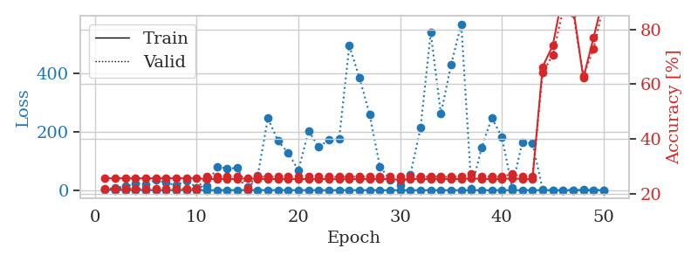
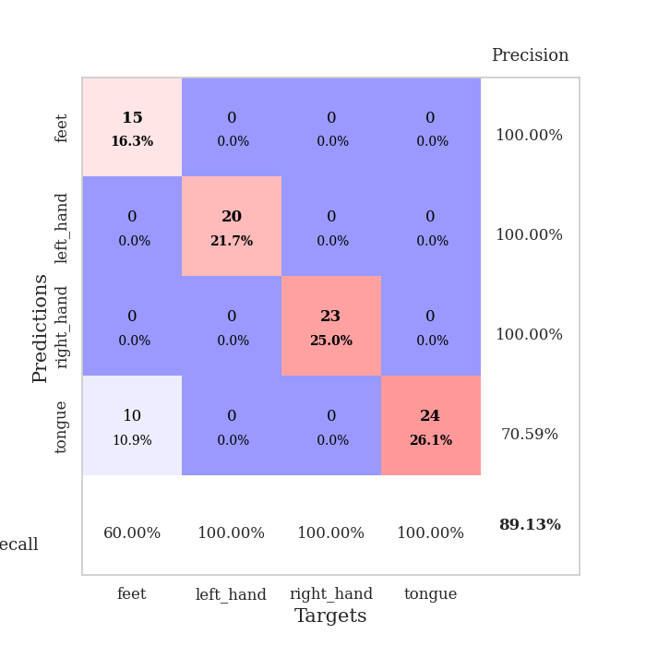
train_loss | valid_loss | train_accuracy | valid_accuracy | dur | train_misclass | valid_misclass
0.94528390662 | 2.515242504 | 0.25543478261 | 0.21739130435 | 0.087911605835 | 25.543478261 | 21.739130435
0.60574928833 | 8.5070433824 | 0.25543478261 | 0.21739130435 | 0.087584018707 | 25.543478261 | 21.739130435
0.46967283021 | 12.708257592 | 0.25543478261 | 0.21739130435 | 0.087557315826 | 25.543478261 | 21.739130435
0.58733464713 | 23.506636578 | 0.25543478261 | 0.21739130435 | 0.087688922882 | 25.543478261 | 21.739130435
0.39769226183 | 20.768022288 | 0.25543478261 | 0.21739130435 | 0.08770942688 | 25.543478261 | 21.739130435
0.40081442763 | 34.399789727 | 0.25543478261 | 0.21739130435 | 0.087692737579 | 25.543478261 | 21.739130435
0.24560590509 | 25.390154382 | 0.25543478261 | 0.21739130435 | 0.087579250336 | 25.543478261 | 21.739130435
0.3267111409 | 16.663625551 | 0.25543478261 | 0.21739130435 | 0.087511777878 | 25.543478261 | 21.739130435
0.32412319485 | 33.019053749 | 0.25543478261 | 0.21739130435 | 0.087542295456 | 25.543478261 | 21.739130435
0.29315299282 | 9.0063375805 | 0.25543478261 | 0.21739130435 | 0.087495088577 | 25.543478261 | 21.739130435
0.27390369757 | 14.69456088 | 0.2527173913 | 0.26086956522 | 0.087446212769 | 25.27173913 | 26.086956522
0.21068006381 | 81.176064864 | 0.2527173913 | 0.26086956522 | 0.088048458099 | 25.27173913 | 26.086956522
0.47570978704 | 73.538713206 | 0.2527173913 | 0.26086956522 | 0.087456226349 | 25.27173913 | 26.086956522
0.44421797278 | 75.917850329 | 0.2527173913 | 0.26086956522 | 0.087473154068 | 25.27173913 | 26.086956522
0.30465350203 | 10.16195007 | 0.25543478261 | 0.21739130435 | 0.087687730789 | 25.543478261 | 21.739130435
0.20276919169 | 50.023505335 | 0.2527173913 | 0.26086956522 | 0.087725400925 | 25.27173913 | 26.086956522
0.35441825247 | 245.45221478 | 0.2527173913 | 0.26086956522 | 0.087622642517 | 25.27173913 | 26.086956522
0.22553864753 | 167.81912961 | 0.2527173913 | 0.26086956522 | 0.087968587875 | 25.27173913 | 26.086956522
0.14783102067 | 126.58618861 | 0.2527173913 | 0.26086956522 | 0.087576150894 | 25.27173913 | 26.086956522
0.20431308659 | 67.965301845 | 0.2527173913 | 0.26086956522 | 0.087721347809 | 25.27173913 | 26.086956522
0.12838945011 | 202.1887154 | 0.2527173913 | 0.26086956522 | 0.087565422058 | 25.27173913 | 26.086956522
0.13765393708 | 147.43942725 | 0.2527173913 | 0.26086956522 | 0.087592840195 | 25.27173913 | 26.086956522
0.19655606207 | 171.8425074 | 0.2527173913 | 0.26086956522 | 0.087610721588 | 25.27173913 | 26.086956522
0.14104588848 | 175.03188556 | 0.2527173913 | 0.26086956522 | 0.087656736374 | 25.27173913 | 26.086956522
0.13319239555 | 492.67397806 | 0.2527173913 | 0.26086956522 | 0.087456703186 | 25.27173913 | 26.086956522
0.15951025356 | 383.35545283 | 0.2527173913 | 0.26086956522 | 0.087490558624 | 25.27173913 | 26.086956522
0.18837411823 | 258.14229086 | 0.2527173913 | 0.26086956522 | 0.08762550354 | 25.27173913 | 26.086956522
0.10988105797 | 80.885348444 | 0.2527173913 | 0.26086956522 | 0.087641239166 | 25.27173913 | 26.086956522
0.079023794514 | 35.789628734 | 0.2527173913 | 0.26086956522 | 0.087623119354 | 25.27173913 | 26.086956522
0.093956149831 | 18.158887697 | 0.25 | 0.26086956522 | 0.087517738342 | 25 | 26.086956522
0.11894525207 | 52.772881715 | 0.2527173913 | 0.26086956522 | 0.087648868561 | 25.27173913 | 26.086956522
0.13330257563 | 212.47143289 | 0.2527173913 | 0.26086956522 | 0.088087558746 | 25.27173913 | 26.086956522
0.17798024262 | 537.43163399 | 0.2527173913 | 0.26086956522 | 0.08753991127 | 25.27173913 | 26.086956522
0.10748189971 | 260.15209895 | 0.2527173913 | 0.26086956522 | 0.087877988815 | 25.27173913 | 26.086956522
0.099843756802 | 427.85240107 | 0.2527173913 | 0.26086956522 | 0.087876081467 | 25.27173913 | 26.086956522
0.051507390428 | 567.06586224 | 0.2527173913 | 0.26086956522 | 0.087738513947 | 25.27173913 | 26.086956522
0.052707396205 | 6.4608613097 | 0.25543478261 | 0.27173913043 | 0.087749481201 | 25.543478261 | 27.173913043
0.16043413163 | 144.39138064 | 0.2527173913 | 0.26086956522 | 0.088085412979 | 25.27173913 | 26.086956522
0.051128452117 | 247.02722699 | 0.2527173913 | 0.26086956522 | 0.088341474533 | 25.27173913 | 26.086956522
0.077626679558 | 180.77176633 | 0.2527173913 | 0.26086956522 | 0.090042114258 | 25.27173913 | 26.086956522
0.12907755893 | 9.1929235251 | 0.25543478261 | 0.27173913043 | 0.089391946793 | 25.543478261 | 27.173913043
0.094102123499 | 164.17687524 | 0.2527173913 | 0.26086956522 | 0.0881524086 | 25.27173913 | 26.086956522
0.072528804733 | 159.92337169 | 0.2527173913 | 0.26086956522 | 0.090438604355 | 25.27173913 | 26.086956522
0.1516485077 | 2.9288366567 | 0.66304347826 | 0.64130434783 | 0.088308811188 | 66.304347826 | 64.130434783
0.068764647904 | 0.64010964917 | 0.74184782609 | 0.70652173913 | 0.087756633759 | 74.184782609 | 70.652173913
0.064926123894 | 0.23923320939 | 0.93206521739 | 0.86956521739 | 0.087888002396 | 93.206521739 | 86.956521739
0.049137519308 | 0.31586419111 | 0.8777173913 | 0.85869565217 | 0.08788228035 | 87.77173913 | 85.869565217
0.10025283297 | 0.87265751155 | 0.6222826087 | 0.63043478261 | 0.087972640991 | 62.22826087 | 63.043478261
0.06153744281 | 0.61751314998 | 0.76902173913 | 0.72826086957 | 0.087642431259 | 76.902173913 | 72.826086957
0.069542875109 | 0.2764067368 | 0.92119565217 | 0.89130434783 | 0.087581157684 | 92.119565217 | 89.130434783

Best Val accuracy is 0.8913043478260869 and Best test accuracy is 0.8448275862068966

Sheet9
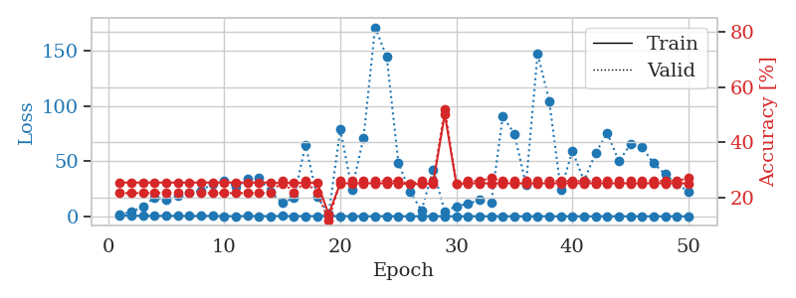
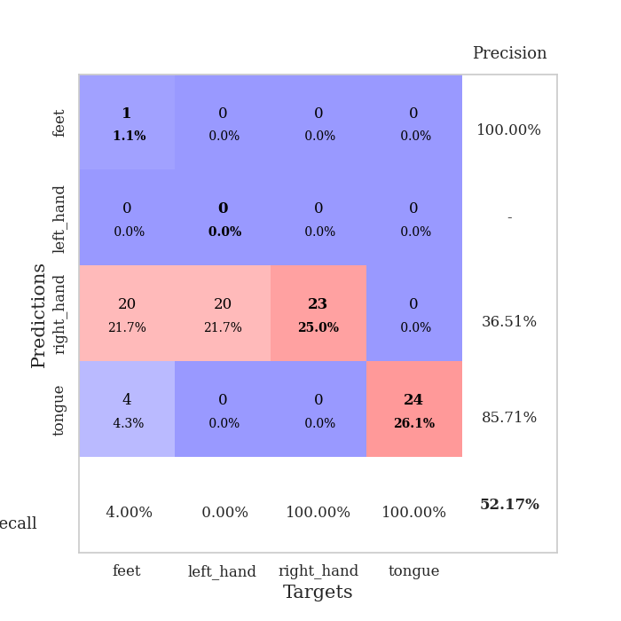
train_loss | valid_loss | train_accuracy | valid_accuracy | dur | train_misclass | valid_misclass
1.0615627196 | 1.5609291325 | 0.25543478261 | 0.21739130435 | 0.088564157486 | 25.543478261 | 21.739130435
0.61954292396 | 4.301166182 | 0.25543478261 | 0.21739130435 | 0.087831497192 | 25.543478261 | 21.739130435
0.53421266442 | 8.5183323155 | 0.25543478261 | 0.21739130435 | 0.087363958359 | 25.543478261 | 21.739130435
0.47880155204 | 17.296898303 | 0.25543478261 | 0.21739130435 | 0.087188243866 | 25.543478261 | 21.739130435
0.42566783661 | 15.173820413 | 0.25543478261 | 0.21739130435 | 0.087157726288 | 25.543478261 | 21.739130435
0.42416270563 | 19.083893486 | 0.25543478261 | 0.21739130435 | 0.087109565735 | 25.543478261 | 21.739130435
0.34272250889 | 21.842534936 | 0.25543478261 | 0.21739130435 | 0.087057113647 | 25.543478261 | 21.739130435
0.35980581719 | 23.036620182 | 0.25543478261 | 0.21739130435 | 0.087098836899 | 25.543478261 | 21.739130435
0.40324016822 | 29.891127628 | 0.25543478261 | 0.21739130435 | 0.087387084961 | 25.543478261 | 21.739130435
0.19060436928 | 32.458755825 | 0.25543478261 | 0.21739130435 | 0.087378978729 | 25.543478261 | 21.739130435
0.19457994612 | 26.495503633 | 0.25543478261 | 0.21739130435 | 0.087495565414 | 25.543478261 | 21.739130435
0.28458937419 | 33.684615591 | 0.25543478261 | 0.21739130435 | 0.087198972702 | 25.543478261 | 21.739130435
0.18533298973 | 34.573318647 | 0.25543478261 | 0.21739130435 | 0.087197780609 | 25.543478261 | 21.739130435
0.22246405693 | 22.17303359 | 0.25543478261 | 0.21739130435 | 0.087267637253 | 25.543478261 | 21.739130435
0.30150421401 | 12.246599073 | 0.2527173913 | 0.26086956522 | 0.08732008934 | 25.27173913 | 26.086956522
0.23757055596 | 16.766260562 | 0.25543478261 | 0.21739130435 | 0.087294340134 | 25.543478261 | 21.739130435
0.2475536262 | 65.174459043 | 0.2527173913 | 0.26086956522 | 0.08721780777 | 25.27173913 | 26.086956522
0.21654675423 | 17.730205619 | 0.25543478261 | 0.21739130435 | 0.087633609772 | 25.543478261 | 21.739130435
0.34099131418 | 2.6487590852 | 0.14130434783 | 0.11956521739 | 0.087857723236 | 14.130434783 | 11.956521739
0.22788580734 | 78.812296992 | 0.2527173913 | 0.26086956522 | 0.087616443634 | 25.27173913 | 26.086956522
0.22652039904 | 24.601403858 | 0.2527173913 | 0.26086956522 | 0.08772778511 | 25.27173913 | 26.086956522
0.14092885403 | 71.32696102 | 0.2527173913 | 0.26086956522 | 0.087424516678 | 25.27173913 | 26.086956522
0.13167951539 | 171.56446772 | 0.2527173913 | 0.26086956522 | 0.087827682495 | 25.27173913 | 26.086956522
0.23503012449 | 144.68963159 | 0.2527173913 | 0.26086956522 | 0.087775468826 | 25.27173913 | 26.086956522
0.11692073891 | 48.765129255 | 0.2527173913 | 0.26086956522 | 0.087807893753 | 25.27173913 | 26.086956522
0.11920134557 | 22.377339985 | 0.25 | 0.25 | 0.087536334991 | 25 | 25
0.14488299511 | 5.3289596516 | 0.25 | 0.26086956522 | 0.087653875351 | 25 | 26.086956522
0.24519864996 | 42.635467363 | 0.2527173913 | 0.26086956522 | 0.0880651474 | 25.27173913 | 26.086956522
0.12393364853 | 4.378185946 | 0.5027173913 | 0.52173913043 | 0.087476968765 | 50.27173913 | 52.173913043
0.13689384686 | 9.2755316859 | 0.25 | 0.25 | 0.087924003601 | 25 | 25
0.10912859221 | 11.505039381 | 0.2527173913 | 0.26086956522 | 0.088114500046 | 25.27173913 | 26.086956522
0.098656348712 | 14.714061944 | 0.2527173913 | 0.26086956522 | 0.090208768845 | 25.27173913 | 26.086956522
0.057876058328 | 12.290927348 | 0.2527173913 | 0.27173913043 | 0.087181806564 | 25.27173913 | 27.173913043
0.12604534561 | 90.870310576 | 0.2527173913 | 0.26086956522 | 0.087364912033 | 25.27173913 | 26.086956522
0.10276128935 | 74.82053707 | 0.2527173913 | 0.26086956522 | 0.087477207184 | 25.27173913 | 26.086956522
0.066277824585 | 28.636039817 | 0.2527173913 | 0.26086956522 | 0.087289810181 | 25.27173913 | 26.086956522
0.087245594487 | 147.65671307 | 0.2527173913 | 0.26086956522 | 0.087350606918 | 25.27173913 | 26.086956522
0.089372773371 | 104.79272859 | 0.2527173913 | 0.26086956522 | 0.087208509445 | 25.27173913 | 26.086956522
0.094593781532 | 24.040658453 | 0.2527173913 | 0.26086956522 | 0.08735704422 | 25.27173913 | 26.086956522
0.097980177617 | 59.387479533 | 0.2527173913 | 0.26086956522 | 0.087256908417 | 25.27173913 | 26.086956522
0.070421748815 | 32.365167452 | 0.2527173913 | 0.26086956522 | 0.087334394455 | 25.27173913 | 26.086956522
0.068931254032 | 57.385970572 | 0.2527173913 | 0.26086956522 | 0.087379932404 | 25.27173913 | 26.086956522
0.08063538249 | 75.715650144 | 0.2527173913 | 0.26086956522 | 0.087767839432 | 25.27173913 | 26.086956522
0.085755337698 | 50.056612264 | 0.2527173913 | 0.26086956522 | 0.087672948837 | 25.27173913 | 26.086956522
0.10926977112 | 65.258524853 | 0.2527173913 | 0.26086956522 | 0.08759522438 | 25.27173913 | 26.086956522
0.051999619959 | 62.614479894 | 0.2527173913 | 0.26086956522 | 0.088202953339 | 25.27173913 | 26.086956522
0.067545145973 | 48.055580637 | 0.2527173913 | 0.26086956522 | 0.087837457657 | 25.27173913 | 26.086956522
0.074095700382 | 38.200438458 | 0.2527173913 | 0.26086956522 | 0.087762832642 | 25.27173913 | 26.086956522
0.066401421396 | 29.570199718 | 0.2527173913 | 0.26086956522 | 0.088028669357 | 25.27173913 | 26.086956522
0.060105746511 | 22.234877877 | 0.2527173913 | 0.27173913043 | 0.087931632996 | 25.27173913 | 27.173913043

Best Val accuracy is 0.5217391304347826 and Best test accuracy is 0.4827586206896552

Sheet10
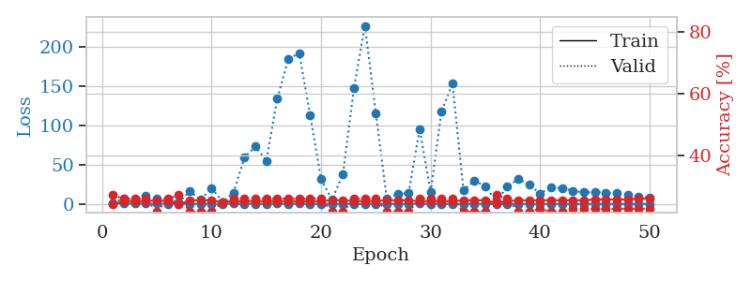
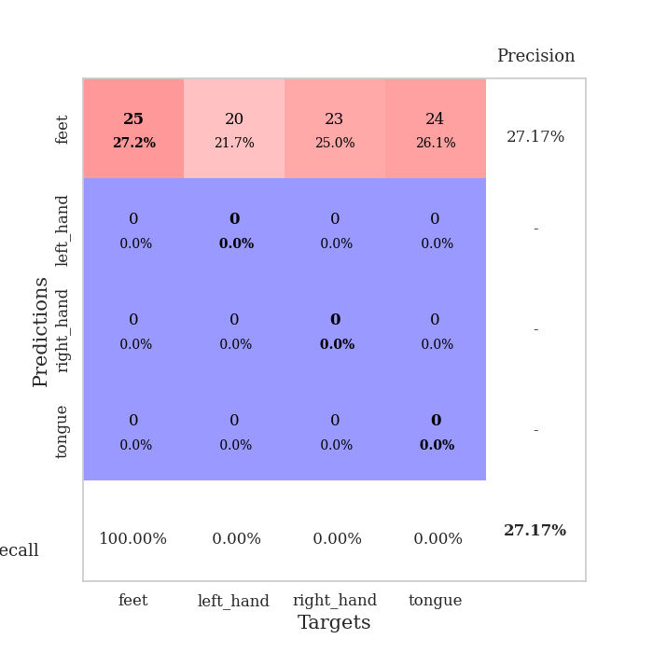
train_loss | valid_loss | train_accuracy | valid_accuracy | dur | train_misclass | valid_misclass
1.1299523556 | 1.3921756693 | 0.24184782609 | 0.27173913043 | 0.089692831039 | 24.184782609 | 27.173913043
0.65617021659 | 6.7871132726 | 0.2527173913 | 0.26086956522 | 0.087399482727 | 25.27173913 | 26.086956522
0.49823568826 | 6.1854531454 | 0.2527173913 | 0.26086956522 | 0.087304592133 | 25.27173913 | 26.086956522
0.41478915577 | 10.016085583 | 0.2527173913 | 0.26086956522 | 0.087448596954 | 25.27173913 | 26.086956522
0.41647707055 | 6.3578110778 | 0.25543478261 | 0.21739130435 | 0.087234020233 | 25.543478261 | 21.739130435
0.32271635273 | 5.9676794798 | 0.2527173913 | 0.26086956522 | 0.087275028229 | 25.27173913 | 26.086956522
0.34959508252 | 1.878135422 | 0.24184782609 | 0.27173913043 | 0.08749961853 | 24.184782609 | 27.173913043
0.28191866693 | 16.326283745 | 0.25543478261 | 0.21739130435 | 0.087102413177 | 25.543478261 | 21.739130435
0.23957971775 | 5.2415554834 | 0.25543478261 | 0.21739130435 | 0.087572097778 | 25.543478261 | 21.739130435
0.21343416364 | 20.503945226 | 0.25543478261 | 0.21739130435 | 0.087481021881 | 25.543478261 | 21.739130435
0.29184890312 | 2.6902284622 | 0.25 | 0.25 | 0.087423801422 | 25 | 25
0.38940234191 | 14.48754945 | 0.2527173913 | 0.26086956522 | 0.087399721146 | 25.27173913 | 26.086956522
0.31727431399 | 59.159701306 | 0.2527173913 | 0.26086956522 | 0.087735414505 | 25.27173913 | 26.086956522
0.31545261796 | 73.022970448 | 0.2527173913 | 0.26086956522 | 0.087448358536 | 25.27173913 | 26.086956522
0.29889906846 | 55.068656756 | 0.2527173913 | 0.26086956522 | 0.087572574615 | 25.27173913 | 26.086956522
0.3786601638 | 134.02639041 | 0.2527173913 | 0.26086956522 | 0.087540626526 | 25.27173913 | 26.086956522
0.21530873069 | 183.80541992 | 0.2527173913 | 0.26086956522 | 0.087821006775 | 25.27173913 | 26.086956522
0.44086929346 | 191.81600819 | 0.2527173913 | 0.26086956522 | 0.087811470032 | 25.27173913 | 26.086956522
0.26400975446 | 112.96798142 | 0.2527173913 | 0.26086956522 | 0.087627410889 | 25.27173913 | 26.086956522
0.18171201582 | 31.31828731 | 0.2527173913 | 0.26086956522 | 0.088862657547 | 25.27173913 | 26.086956522
0.15827860278 | 5.4089961674 | 0.25543478261 | 0.21739130435 | 0.086608886719 | 25.543478261 | 21.739130435
0.20128153236 | 38.403352986 | 0.25543478261 | 0.21739130435 | 0.086169719696 | 25.543478261 | 21.739130435
0.16074088831 | 146.88088392 | 0.2527173913 | 0.26086956522 | 0.086114645004 | 25.27173913 | 26.086956522
0.23863749433 | 226.43082859 | 0.2527173913 | 0.26086956522 | 0.086335897446 | 25.27173913 | 26.086956522
0.3508890468 | 115.28419992 | 0.2527173913 | 0.26086956522 | 0.086243629456 | 25.27173913 | 26.086956522
0.18343761053 | 6.8219267804 | 0.25543478261 | 0.21739130435 | 0.086603164673 | 25.543478261 | 21.739130435
0.1219672977 | 12.971191199 | 0.25543478261 | 0.21739130435 | 0.08629155159 | 25.543478261 | 21.739130435
0.21522469786 | 13.934384595 | 0.25543478261 | 0.21739130435 | 0.086277484894 | 25.543478261 | 21.739130435
0.44701473431 | 95.507389566 | 0.2527173913 | 0.26086956522 | 0.086007356644 | 25.27173913 | 26.086956522
0.21841727084 | 15.05023919 | 0.2527173913 | 0.26086956522 | 0.086090326309 | 25.27173913 | 26.086956522
0.27113615082 | 117.89096766 | 0.2527173913 | 0.26086956522 | 0.086633682251 | 25.27173913 | 26.086956522
0.11959324 | 152.88090648 | 0.2527173913 | 0.26086956522 | 0.086258649826 | 25.27173913 | 26.086956522
0.15333974531 | 17.682687759 | 0.25543478261 | 0.21739130435 | 0.086050271988 | 25.543478261 | 21.739130435
0.2812641165 | 29.357114377 | 0.25543478261 | 0.21739130435 | 0.086273670197 | 25.543478261 | 21.739130435
0.13890138212 | 22.812312333 | 0.25543478261 | 0.21739130435 | 0.086436986923 | 25.543478261 | 21.739130435
0.095445805108 | 2.9482079796 | 0.2472826087 | 0.27173913043 | 0.086200714111 | 24.72826087 | 27.173913043
0.095337175602 | 22.005265277 | 0.2527173913 | 0.26086956522 | 0.086229085922 | 25.27173913 | 26.086956522
0.21352900654 | 31.704234082 | 0.25543478261 | 0.21739130435 | 0.086313009262 | 25.543478261 | 21.739130435
0.1256149267 | 24.499091522 | 0.25543478261 | 0.21739130435 | 0.086240530014 | 25.543478261 | 21.739130435
0.081931012683 | 13.302191983 | 0.25543478261 | 0.22826086957 | 0.086007595062 | 25.543478261 | 22.826086957
0.081144338433 | 21.134542051 | 0.25543478261 | 0.21739130435 | 0.085969924927 | 25.543478261 | 21.739130435
0.11189312763 | 20.318072692 | 0.25543478261 | 0.21739130435 | 0.086431503296 | 25.543478261 | 21.739130435
0.078241702169 | 16.805873539 | 0.25543478261 | 0.22826086957 | 0.086284399033 | 25.543478261 | 22.826086957
0.1027532526 | 14.642442372 | 0.25543478261 | 0.22826086957 | 0.08611369133 | 25.543478261 | 22.826086957
0.09138753666 | 15.248247976 | 0.25815217391 | 0.22826086957 | 0.086739778519 | 25.815217391 | 22.826086957
0.1123381336 | 14.451696189 | 0.25815217391 | 0.22826086957 | 0.086229801178 | 25.815217391 | 22.826086957
0.12247521726 | 13.771851208 | 0.25815217391 | 0.22826086957 | 0.086261987686 | 25.815217391 | 22.826086957
0.10298032087 | 12.236079672 | 0.25815217391 | 0.22826086957 | 0.086120843887 | 25.815217391 | 22.826086957
0.094593810322 | 9.8503061792 | 0.26086956522 | 0.22826086957 | 0.086064815521 | 26.086956522 | 22.826086957
0.088870741589 | 7.7600612226 | 0.26086956522 | 0.22826086957 | 0.086136341095 | 26.086956522 | 22.826086957

Best Val accuracy is 0.2717391304347826 and Best test accuracy is 0.25862068965517243

