Sheet
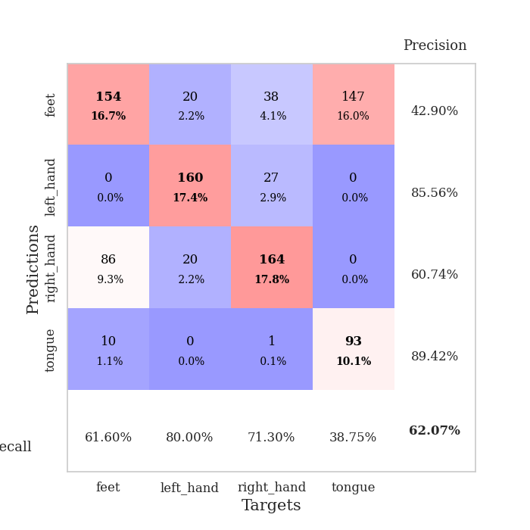
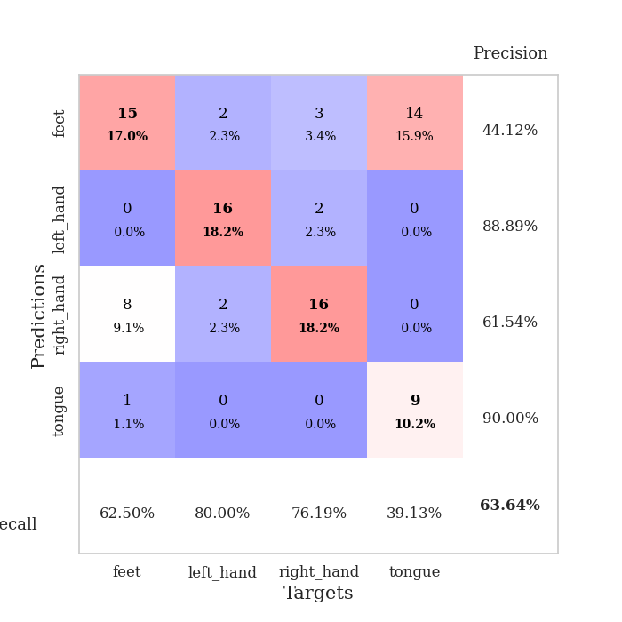
best_val_acc | best_val_los | best_test_acc
0.86956521739 | 0.34694375033 | 0.9224137931
0.52173913043 | 1.4508018286 | 0.61206896552
0.27173913043 | 1.4213848943 | 0.25862068966
0.72826086957 | 1.345770924 | 0.77586206897
0.64130434783 | 1.4245459049 | 0.65517241379
0.54347826087 | 1.7504132727 | 0.58620689655
0.89130434783 | 0.32783201207 | 0.87931034483
0.51086956522 | 1.409093665 | 0.48275862069
0.80434782609 | 0.53122270107 | 0.81034482759
0.42391304348 | 1.6256678986 | 0.5

Mean,std Val accuracy is 0.6206521739130435 , 0.2025391485621312 and mean, std test accuracy is 0.6482758620689655 , 0.20480262241929822

Sheet1
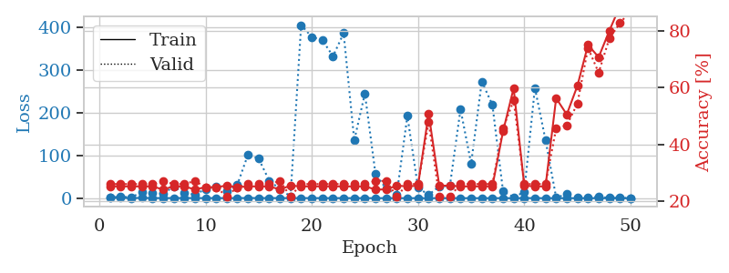
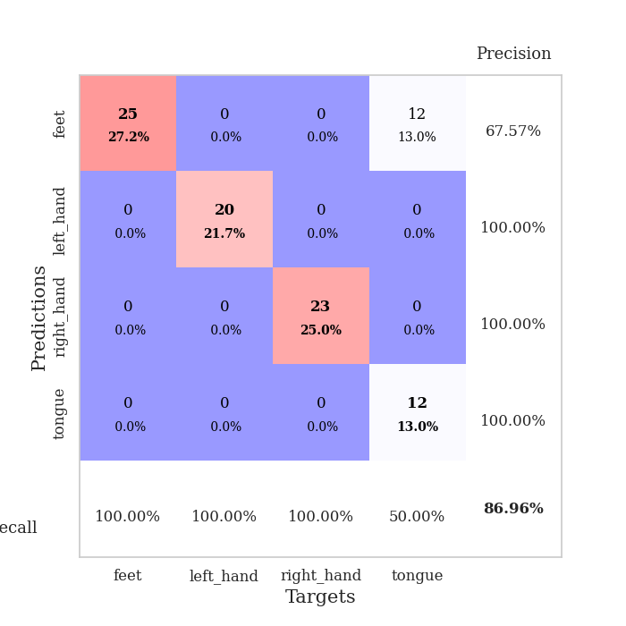
train_loss | valid_loss | train_accuracy | valid_accuracy | dur | train_misclass | valid_misclass
1.0616316173 | 1.7056597575 | 0.2527173913 | 0.26086956522 | 0.087355136871 | 25.27173913 | 26.086956522
0.60947605903 | 3.6026963877 | 0.2527173913 | 0.26086956522 | 0.086876630783 | 25.27173913 | 26.086956522
0.44189709878 | 2.1567144809 | 0.2527173913 | 0.26086956522 | 0.086556196213 | 25.27173913 | 26.086956522
0.52993207263 | 13.349071503 | 0.2527173913 | 0.26086956522 | 0.085977077484 | 25.27173913 | 26.086956522
0.42504216309 | 12.685116104 | 0.2527173913 | 0.26086956522 | 0.085932254791 | 25.27173913 | 26.086956522
0.19129434098 | 10.891955334 | 0.24184782609 | 0.27173913043 | 0.085963487625 | 24.184782609 | 27.173913043
0.32025354113 | 26.443894345 | 0.2527173913 | 0.26086956522 | 0.086361885071 | 25.27173913 | 26.086956522
0.35257809301 | 13.046936533 | 0.2527173913 | 0.26086956522 | 0.086330652237 | 25.27173913 | 26.086956522
0.3187950443 | 7.9475610982 | 0.24184782609 | 0.27173913043 | 0.086592435837 | 24.184782609 | 27.173913043
0.20997775038 | 21.358148989 | 0.25 | 0.25 | 0.086287498474 | 25 | 25
0.24206938765 | 27.610883713 | 0.25 | 0.25 | 0.08620762825 | 25 | 25
0.12327302984 | 16.004030891 | 0.25543478261 | 0.21739130435 | 0.086421966553 | 25.543478261 | 21.739130435
0.1295534259 | 31.726776455 | 0.25 | 0.25 | 0.08614563942 | 25 | 25
0.49729981221 | 101.85870461 | 0.2527173913 | 0.26086956522 | 0.089821100235 | 25.27173913 | 26.086956522
0.21985926657 | 92.333981721 | 0.2527173913 | 0.26086956522 | 0.087583780289 | 25.27173913 | 26.086956522
0.29366194935 | 40.723564646 | 0.2527173913 | 0.26086956522 | 0.087467432022 | 25.27173913 | 26.086956522
0.22864034278 | 21.542211201 | 0.24184782609 | 0.27173913043 | 0.087272167206 | 24.184782609 | 27.173913043
0.13609162949 | 4.0436835704 | 0.25543478261 | 0.21739130435 | 0.08700466156 | 25.543478261 | 21.739130435
0.18949456132 | 404.58935414 | 0.2527173913 | 0.26086956522 | 0.087149381638 | 25.27173913 | 26.086956522
0.21146169698 | 376.90460072 | 0.2527173913 | 0.26086956522 | 0.087381601334 | 25.27173913 | 26.086956522
0.14522240392 | 369.27414869 | 0.2527173913 | 0.26086956522 | 0.087121486664 | 25.27173913 | 26.086956522
0.11064024464 | 331.75143698 | 0.2527173913 | 0.26086956522 | 0.087602138519 | 25.27173913 | 26.086956522
0.15234221154 | 385.52141671 | 0.2527173913 | 0.26086956522 | 0.086965799332 | 25.27173913 | 26.086956522
0.085344446904 | 135.17315607 | 0.2527173913 | 0.26086956522 | 0.0871052742 | 25.27173913 | 26.086956522
0.12109674926 | 244.48101276 | 0.2527173913 | 0.26086956522 | 0.087101697922 | 25.27173913 | 26.086956522
0.099707303751 | 56.449761266 | 0.24184782609 | 0.27173913043 | 0.086939334869 | 24.184782609 | 27.173913043
0.088422928653 | 21.951275784 | 0.24184782609 | 0.27173913043 | 0.086959123611 | 24.184782609 | 27.173913043
0.049184369976 | 8.7990899708 | 0.25543478261 | 0.21739130435 | 0.087507486343 | 25.543478261 | 21.739130435
0.065772058058 | 192.35670206 | 0.2527173913 | 0.26086956522 | 0.087362527847 | 25.27173913 | 26.086956522
0.044773652643 | 24.103322154 | 0.25543478261 | 0.26086956522 | 0.086847305298 | 25.543478261 | 26.086956522
0.080968996895 | 7.8331920997 | 0.50815217391 | 0.47826086957 | 0.087268352509 | 50.815217391 | 47.826086957
0.06071619323 | 27.317163965 | 0.25543478261 | 0.21739130435 | 0.087379932404 | 25.543478261 | 21.739130435
0.087712423805 | 28.709422651 | 0.25543478261 | 0.21739130435 | 0.087611198425 | 25.543478261 | 21.739130435
0.048882935166 | 207.64628203 | 0.2527173913 | 0.26086956522 | 0.087188720703 | 25.27173913 | 26.086956522
0.065260243364 | 80.941088137 | 0.2527173913 | 0.26086956522 | 0.086875915527 | 25.27173913 | 26.086956522
0.0658677118 | 272.46942139 | 0.2527173913 | 0.26086956522 | 0.087103843689 | 25.27173913 | 26.086956522
0.040121517954 | 218.2968279 | 0.2527173913 | 0.26086956522 | 0.087357997894 | 25.27173913 | 26.086956522
0.057136869028 | 16.612929634 | 0.44565217391 | 0.45652173913 | 0.087221860886 | 44.565217391 | 45.652173913
0.023411926459 | 1.9691360878 | 0.59782608696 | 0.55434782609 | 0.086769342422 | 59.782608696 | 55.434782609
0.28153473502 | 14.376922815 | 0.25543478261 | 0.26086956522 | 0.08717083931 | 25.543478261 | 26.086956522
0.122725188 | 257.67761031 | 0.2527173913 | 0.26086956522 | 0.086712121964 | 25.27173913 | 26.086956522
0.050436146213 | 135.97314022 | 0.2527173913 | 0.26086956522 | 0.087216377258 | 25.27173913 | 26.086956522
0.051442481041 | 1.3359235473 | 0.5625 | 0.45652173913 | 0.08703327179 | 56.25 | 45.652173913
0.028141259449 | 9.2975859849 | 0.50543478261 | 0.46739130435 | 0.086948633194 | 50.543478261 | 46.739130435
0.050517256878 | 1.7880174699 | 0.60597826087 | 0.54347826087 | 0.087331771851 | 60.597826087 | 54.347826087
0.065813760941 | 1.9706408252 | 0.75 | 0.73913043478 | 0.086827278137 | 75 | 73.913043478
0.023201830483 | 2.9139327485 | 0.70652173913 | 0.65217391304 | 0.087392807007 | 70.652173913 | 65.217391304
0.019682690218 | 0.96376733676 | 0.79891304348 | 0.77173913043 | 0.087404489517 | 79.891304348 | 77.173913043
0.037648635284 | 0.54251031772 | 0.88586956522 | 0.82608695652 | 0.087737321854 | 88.586956522 | 82.608695652
0.039992650708 | 0.34694375033 | 0.94565217391 | 0.86956521739 | 0.086966514587 | 94.565217391 | 86.956521739

Best Val accuracy is 0.8695652173913043 and Best test accuracy is 0.9224137931034483

Sheet2
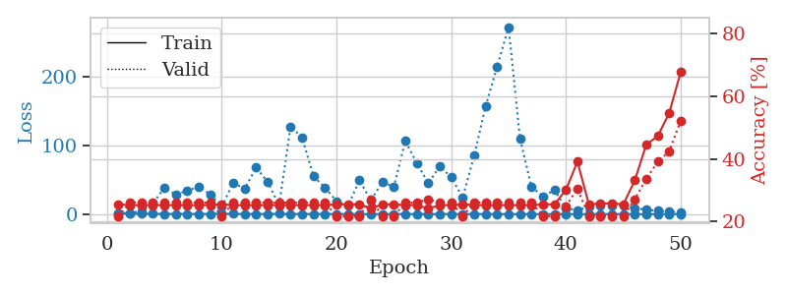
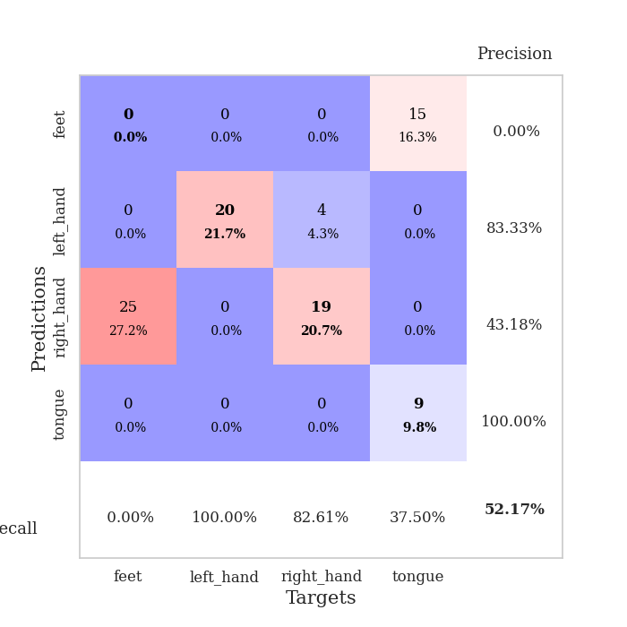
train_loss | valid_loss | train_accuracy | valid_accuracy | dur | train_misclass | valid_misclass
1.016078476 | 1.4508018286 | 0.25543478261 | 0.21739130435 | 0.088097810745 | 25.543478261 | 21.739130435
0.63188211296 | 1.5749444702 | 0.2527173913 | 0.26086956522 | 0.087234735489 | 25.27173913 | 26.086956522
0.49215637925 | 4.2997330479 | 0.2527173913 | 0.26086956522 | 0.087000608444 | 25.27173913 | 26.086956522
0.38092370979 | 15.056321559 | 0.2527173913 | 0.26086956522 | 0.088708877563 | 25.27173913 | 26.086956522
0.35222961268 | 38.454883575 | 0.2527173913 | 0.26086956522 | 0.086272001266 | 25.27173913 | 26.086956522
0.27839985765 | 28.217387904 | 0.2527173913 | 0.26086956522 | 0.085964441299 | 25.27173913 | 26.086956522
0.36625836174 | 34.182799132 | 0.2527173913 | 0.26086956522 | 0.085518360138 | 25.27173913 | 26.086956522
0.26064264774 | 39.904303343 | 0.2527173913 | 0.26086956522 | 0.085493564606 | 25.27173913 | 26.086956522
0.29212542575 | 28.188725098 | 0.2527173913 | 0.26086956522 | 0.085435152054 | 25.27173913 | 26.086956522
0.52435964152 | 10.669885594 | 0.25543478261 | 0.21739130435 | 0.085394620895 | 25.543478261 | 21.739130435
0.3738713475 | 45.638846522 | 0.2527173913 | 0.26086956522 | 0.085589170456 | 25.27173913 | 26.086956522
0.25902394675 | 36.544970968 | 0.2527173913 | 0.26086956522 | 0.085473060608 | 25.27173913 | 26.086956522
0.2118055043 | 67.532198533 | 0.2527173913 | 0.26086956522 | 0.085405826569 | 25.27173913 | 26.086956522
0.21752769208 | 46.675255319 | 0.2527173913 | 0.26086956522 | 0.085577726364 | 25.27173913 | 26.086956522
0.37871328903 | 13.071523127 | 0.2527173913 | 0.26086956522 | 0.085493326187 | 25.27173913 | 26.086956522
0.25942469826 | 126.94327678 | 0.2527173913 | 0.26086956522 | 0.088029146194 | 25.27173913 | 26.086956522
0.18568409898 | 111.07668105 | 0.2527173913 | 0.26086956522 | 0.086428403854 | 25.27173913 | 26.086956522
0.17726332986 | 54.932103199 | 0.2527173913 | 0.26086956522 | 0.086676597595 | 25.27173913 | 26.086956522
0.19791365059 | 38.500035991 | 0.2527173913 | 0.26086956522 | 0.08669924736 | 25.27173913 | 26.086956522
0.13326455143 | 18.88607813 | 0.25543478261 | 0.21739130435 | 0.087170362473 | 25.543478261 | 21.739130435
0.16871913919 | 11.878437706 | 0.25543478261 | 0.21739130435 | 0.087028026581 | 25.543478261 | 21.739130435
0.15536929398 | 49.003611191 | 0.25543478261 | 0.21739130435 | 0.087253570557 | 25.543478261 | 21.739130435
0.15817091655 | 19.925652628 | 0.24184782609 | 0.27173913043 | 0.087331056595 | 24.184782609 | 27.173913043
0.087602931459 | 46.753278815 | 0.25543478261 | 0.21739130435 | 0.087808132172 | 25.543478261 | 21.739130435
0.071136090297 | 39.755411729 | 0.25543478261 | 0.21739130435 | 0.087613344193 | 25.543478261 | 21.739130435
0.11463386434 | 106.01447163 | 0.2527173913 | 0.26086956522 | 0.087438344955 | 25.27173913 | 26.086956522
0.17776959794 | 74.054234049 | 0.2527173913 | 0.26086956522 | 0.087438106537 | 25.27173913 | 26.086956522
0.10497967081 | 44.807170868 | 0.24184782609 | 0.27173913043 | 0.087354898453 | 24.184782609 | 27.173913043
0.16657671903 | 69.116105121 | 0.2527173913 | 0.26086956522 | 0.087123632431 | 25.27173913 | 26.086956522
0.15330434619 | 53.682554328 | 0.2527173913 | 0.26086956522 | 0.087559700012 | 25.27173913 | 26.086956522
0.079695536634 | 24.03571444 | 0.25543478261 | 0.21739130435 | 0.087390184402 | 25.543478261 | 21.739130435
0.15023757125 | 84.627010511 | 0.2527173913 | 0.26086956522 | 0.086956501007 | 25.27173913 | 26.086956522
0.096215235009 | 156.44483417 | 0.2527173913 | 0.26086956522 | 0.087026596069 | 25.27173913 | 26.086956522
0.073859858347 | 213.70193813 | 0.2527173913 | 0.26086956522 | 0.087395191193 | 25.27173913 | 26.086956522
0.041556835883 | 271.31162826 | 0.2527173913 | 0.26086956522 | 0.087171554565 | 25.27173913 | 26.086956522
0.056791384411 | 108.9506 | 0.2527173913 | 0.26086956522 | 0.087490797043 | 25.27173913 | 26.086956522
0.051360443498 | 39.601883764 | 0.2527173913 | 0.26086956522 | 0.087354898453 | 25.27173913 | 26.086956522
0.05361064135 | 25.871515108 | 0.25543478261 | 0.21739130435 | 0.087437152863 | 25.543478261 | 21.739130435
0.044233154313 | 34.839151631 | 0.25543478261 | 0.21739130435 | 0.08744263649 | 25.543478261 | 21.739130435
0.04212145317 | 8.4388195743 | 0.30163043478 | 0.25 | 0.08748292923 | 30.163043478 | 25
0.044641104729 | 5.7862643159 | 0.39130434783 | 0.30434782609 | 0.087830305099 | 39.130434783 | 30.434782609
0.041016275453 | 10.583110809 | 0.25543478261 | 0.21739130435 | 0.087328195572 | 25.543478261 | 21.739130435
0.054339215782 | 13.191466249 | 0.25815217391 | 0.21739130435 | 0.087177038193 | 25.815217391 | 21.739130435
0.095351760438 | 12.171937321 | 0.25815217391 | 0.21739130435 | 0.087519168854 | 25.815217391 | 21.739130435
0.048130107087 | 12.532020444 | 0.25543478261 | 0.21739130435 | 0.08732008934 | 25.543478261 | 21.739130435
0.047583083364 | 8.6856558841 | 0.33152173913 | 0.27173913043 | 0.087342262268 | 33.152173913 | 27.173913043
0.028279914435 | 6.3823591523 | 0.44565217391 | 0.33695652174 | 0.087421417236 | 44.565217391 | 33.695652174
0.030549687192 | 4.9998687454 | 0.47282608696 | 0.39130434783 | 0.087917804718 | 47.282608696 | 39.130434783
0.061742020599 | 3.913270318 | 0.54619565217 | 0.42391304348 | 0.087679624557 | 54.619565217 | 42.391304348
0.07854210641 | 2.9240395401 | 0.67663043478 | 0.52173913043 | 0.087481021881 | 67.663043478 | 52.173913043

Best Val accuracy is 0.5217391304347826 and Best test accuracy is 0.6120689655172413

Sheet3
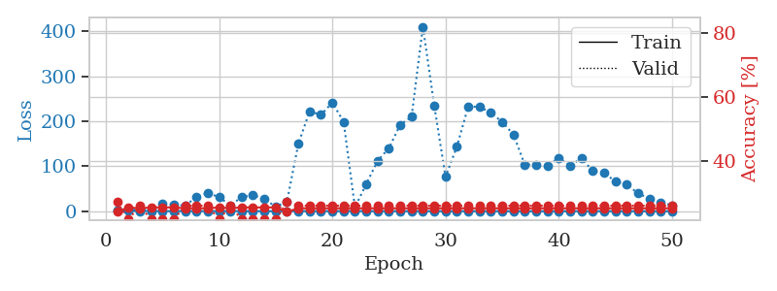
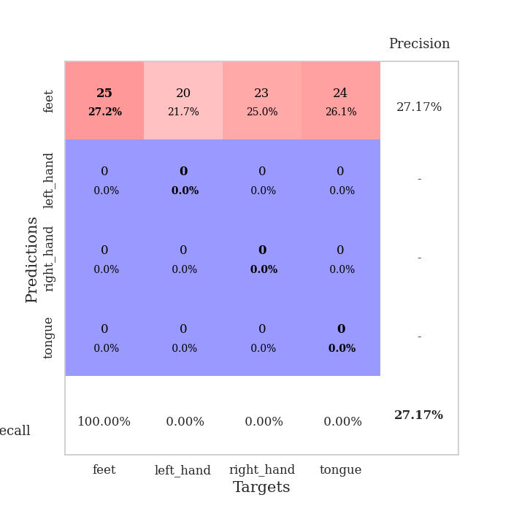
train_loss | valid_loss | train_accuracy | valid_accuracy | dur | train_misclass | valid_misclass
1.0287727351 | 1.4213848943 | 0.24184782609 | 0.27173913043 | 0.087520122528 | 24.184782609 | 27.173913043
0.67475801188 | 4.2529211874 | 0.25543478261 | 0.21739130435 | 0.088403463364 | 25.543478261 | 21.739130435
0.52848199269 | 2.6270948908 | 0.2527173913 | 0.26086956522 | 0.086379289627 | 25.27173913 | 26.086956522
0.37276798098 | 6.0644849487 | 0.25543478261 | 0.21739130435 | 0.086700677872 | 25.543478261 | 21.739130435
0.25502806546 | 15.836211909 | 0.25543478261 | 0.21739130435 | 0.086441516876 | 25.543478261 | 21.739130435
0.40696027389 | 15.56530372 | 0.25543478261 | 0.21739130435 | 0.086603403091 | 25.543478261 | 21.739130435
0.39784076486 | 12.056928593 | 0.2527173913 | 0.26086956522 | 0.08652973175 | 25.27173913 | 26.086956522
0.26528829952 | 31.658318312 | 0.2527173913 | 0.26086956522 | 0.086604356766 | 25.27173913 | 26.086956522
0.26153788311 | 40.691622527 | 0.2527173913 | 0.26086956522 | 0.086538553238 | 25.27173913 | 26.086956522
0.1561793902 | 31.430734883 | 0.25543478261 | 0.21739130435 | 0.086532592773 | 25.543478261 | 21.739130435
0.32868401147 | 13.268427932 | 0.2527173913 | 0.26086956522 | 0.086711406708 | 25.27173913 | 26.086956522
0.30747656273 | 31.207741115 | 0.25543478261 | 0.21739130435 | 0.086631774902 | 25.543478261 | 21.739130435
0.30195028626 | 35.738861913 | 0.25543478261 | 0.21739130435 | 0.089457988739 | 25.543478261 | 21.739130435
0.23840232914 | 27.982820262 | 0.25543478261 | 0.21739130435 | 0.086676836014 | 25.543478261 | 21.739130435
0.18388600575 | 9.6191083245 | 0.25543478261 | 0.21739130435 | 0.086135149002 | 25.543478261 | 21.739130435
0.1711342551 | 21.710525513 | 0.24184782609 | 0.27173913043 | 0.086300373077 | 24.184782609 | 27.173913043
0.37074868264 | 149.59755873 | 0.2527173913 | 0.26086956522 | 0.086592197418 | 25.27173913 | 26.086956522
0.12485873262 | 222.63991049 | 0.2527173913 | 0.26086956522 | 0.088148593903 | 25.27173913 | 26.086956522
0.1681839486 | 214.49805285 | 0.2527173913 | 0.26086956522 | 0.086504936218 | 25.27173913 | 26.086956522
0.16408880047 | 241.83733401 | 0.2527173913 | 0.26086956522 | 0.086835861206 | 25.27173913 | 26.086956522
0.20848231058 | 199.14813431 | 0.2527173913 | 0.26086956522 | 0.086699008942 | 25.27173913 | 26.086956522
0.40634764148 | 8.5131578445 | 0.2527173913 | 0.26086956522 | 0.087283372879 | 25.27173913 | 26.086956522
0.20544352893 | 60.469080884 | 0.2527173913 | 0.26086956522 | 0.087223291397 | 25.27173913 | 26.086956522
0.2385926454 | 112.06680431 | 0.2527173913 | 0.26086956522 | 0.087242603302 | 25.27173913 | 26.086956522
0.16523426164 | 140.40144215 | 0.2527173913 | 0.26086956522 | 0.087552309036 | 25.27173913 | 26.086956522
0.15793227238 | 192.63420503 | 0.2527173913 | 0.26086956522 | 0.087582588196 | 25.27173913 | 26.086956522
0.21369677871 | 210.1721543 | 0.2527173913 | 0.26086956522 | 0.087774515152 | 25.27173913 | 26.086956522
0.15561120163 | 410.76803058 | 0.2527173913 | 0.26086956522 | 0.08732008934 | 25.27173913 | 26.086956522
0.11347476516 | 235.63765551 | 0.2527173913 | 0.26086956522 | 0.087301015854 | 25.27173913 | 26.086956522
0.10451665181 | 76.630601634 | 0.2527173913 | 0.26086956522 | 0.087687492371 | 25.27173913 | 26.086956522
0.11223632055 | 143.46207594 | 0.2527173913 | 0.26086956522 | 0.087616443634 | 25.27173913 | 26.086956522
0.073493795206 | 232.8696581 | 0.2527173913 | 0.26086956522 | 0.087461948395 | 25.27173913 | 26.086956522
0.10983944202 | 232.46313211 | 0.2527173913 | 0.26086956522 | 0.08780503273 | 25.27173913 | 26.086956522
0.11496505907 | 219.00016785 | 0.2527173913 | 0.26086956522 | 0.087433576584 | 25.27173913 | 26.086956522
0.066357875223 | 199.00136467 | 0.2527173913 | 0.26086956522 | 0.08730840683 | 25.27173913 | 26.086956522
0.083780079797 | 170.50253163 | 0.2527173913 | 0.26086956522 | 0.087566137314 | 25.27173913 | 26.086956522
0.10031709774 | 103.41170203 | 0.2527173913 | 0.26086956522 | 0.087249517441 | 25.27173913 | 26.086956522
0.064745488617 | 104.0986829 | 0.2527173913 | 0.26086956522 | 0.087342262268 | 25.27173913 | 26.086956522
0.049032009429 | 100.89655072 | 0.2527173913 | 0.26086956522 | 0.08746099472 | 25.27173913 | 26.086956522
0.03084377821 | 118.47915484 | 0.2527173913 | 0.26086956522 | 0.08754992485 | 25.27173913 | 26.086956522
0.048442663382 | 101.29332999 | 0.2527173913 | 0.26086956522 | 0.087054252625 | 25.27173913 | 26.086956522
0.066825518425 | 118.00102002 | 0.2527173913 | 0.26086956522 | 0.087016105652 | 25.27173913 | 26.086956522
0.064719448949 | 89.531089783 | 0.2527173913 | 0.26086956522 | 0.086973667145 | 25.27173913 | 26.086956522
0.068484580509 | 85.850143101 | 0.2527173913 | 0.26086956522 | 0.087200403214 | 25.27173913 | 26.086956522
0.039139863083 | 65.954298766 | 0.2527173913 | 0.26086956522 | 0.087289094925 | 25.27173913 | 26.086956522
0.058865911449 | 59.232324517 | 0.2527173913 | 0.26086956522 | 0.087350845337 | 25.27173913 | 26.086956522
0.082224162943 | 39.769857821 | 0.2527173913 | 0.26086956522 | 0.087384700775 | 25.27173913 | 26.086956522
0.063368807046 | 28.19515361 | 0.2527173913 | 0.26086956522 | 0.087410926819 | 25.27173913 | 26.086956522
0.1277164094 | 19.408359611 | 0.2527173913 | 0.26086956522 | 0.087642192841 | 25.27173913 | 26.086956522
0.044935132903 | 13.200767973 | 0.2527173913 | 0.26086956522 | 0.090984106064 | 25.27173913 | 26.086956522

Best Val accuracy is 0.2717391304347826 and Best test accuracy is 0.25862068965517243

Sheet4
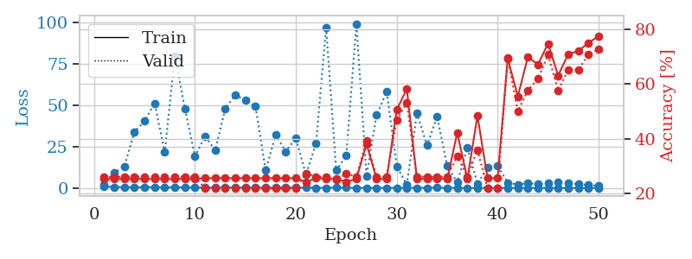
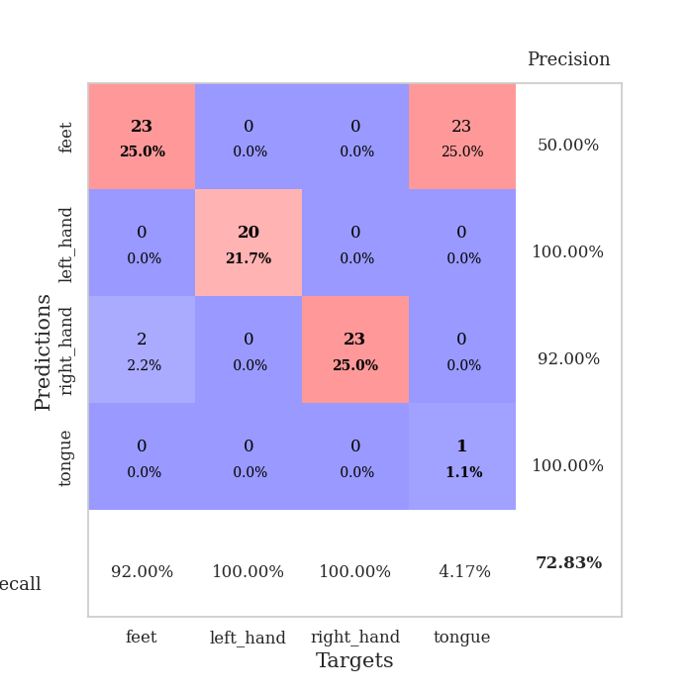
train_loss | valid_loss | train_accuracy | valid_accuracy | dur | train_misclass | valid_misclass
1.106411413 | 1.9260069546 | 0.2527173913 | 0.26086956522 | 0.089525461197 | 25.27173913 | 26.086956522
0.6484097035 | 9.0968907812 | 0.2527173913 | 0.26086956522 | 0.086979389191 | 25.27173913 | 26.086956522
0.49837787385 | 13.186002607 | 0.2527173913 | 0.26086956522 | 0.087254047394 | 25.27173913 | 26.086956522
0.43501708948 | 34.095988813 | 0.2527173913 | 0.26086956522 | 0.08707690239 | 25.27173913 | 26.086956522
0.53202528571 | 40.488475136 | 0.2527173913 | 0.26086956522 | 0.086992740631 | 25.27173913 | 26.086956522
0.44792113356 | 51.351872817 | 0.2527173913 | 0.26086956522 | 0.087116956711 | 25.27173913 | 26.086956522
0.40467442281 | 21.638666319 | 0.2527173913 | 0.26086956522 | 0.087924480438 | 25.27173913 | 26.086956522
0.43563624374 | 79.978351427 | 0.2527173913 | 0.26086956522 | 0.087760686874 | 25.27173913 | 26.086956522
0.31353034176 | 48.07996866 | 0.2527173913 | 0.26086956522 | 0.08723449707 | 25.27173913 | 26.086956522
0.30769246752 | 19.12552394 | 0.2527173913 | 0.26086956522 | 0.08722949028 | 25.27173913 | 26.086956522
0.23405088193 | 31.374756689 | 0.25543478261 | 0.21739130435 | 0.087454557419 | 25.543478261 | 21.739130435
0.26201219938 | 22.853545147 | 0.25543478261 | 0.21739130435 | 0.087216854095 | 25.543478261 | 21.739130435
0.34094838701 | 48.002070385 | 0.25543478261 | 0.21739130435 | 0.087285995483 | 25.543478261 | 21.739130435
0.32187015498 | 56.40679517 | 0.25543478261 | 0.21739130435 | 0.087593078613 | 25.543478261 | 21.739130435
0.25798926883 | 52.998491536 | 0.25543478261 | 0.21739130435 | 0.087180376053 | 25.543478261 | 21.739130435
0.19841108714 | 49.419320977 | 0.25543478261 | 0.21739130435 | 0.087183952332 | 25.543478261 | 21.739130435
0.25787800891 | 10.830057227 | 0.25543478261 | 0.21739130435 | 0.087450027466 | 25.543478261 | 21.739130435
0.25790012223 | 32.066123797 | 0.25543478261 | 0.21739130435 | 0.087376356125 | 25.543478261 | 21.739130435
0.31461512103 | 22.027677453 | 0.25543478261 | 0.21739130435 | 0.087311029434 | 25.543478261 | 21.739130435
0.23588341604 | 30.229250701 | 0.25543478261 | 0.21739130435 | 0.087225914001 | 25.543478261 | 21.739130435
0.2294953267 | 8.0952071314 | 0.24184782609 | 0.27173913043 | 0.087146282196 | 24.184782609 | 27.173913043
0.15414361332 | 26.980995593 | 0.25543478261 | 0.26086956522 | 0.087902069092 | 25.543478261 | 26.086956522
0.12936834072 | 97.115819185 | 0.2527173913 | 0.26086956522 | 0.087303638458 | 25.27173913 | 26.086956522
0.34867469723 | 10.629561217 | 0.2527173913 | 0.25 | 0.088191747665 | 25.27173913 | 25
0.16379199679 | 19.548687396 | 0.24184782609 | 0.27173913043 | 0.08659362793 | 24.184782609 | 27.173913043
0.10598822616 | 99.41050289 | 0.2527173913 | 0.26086956522 | 0.086474180222 | 25.27173913 | 26.086956522
0.10501698678 | 7.2492378069 | 0.38043478261 | 0.39130434783 | 0.086738824844 | 38.043478261 | 39.130434783
0.10309410022 | 44.175530641 | 0.2527173913 | 0.26086956522 | 0.087197542191 | 25.27173913 | 26.086956522
0.10071536729 | 58.291587 | 0.2527173913 | 0.26086956522 | 0.08721780777 | 25.27173913 | 26.086956522
0.10261065107 | 13.118161948 | 0.50543478261 | 0.46739130435 | 0.087355852127 | 50.543478261 | 46.739130435
0.12948221325 | 2.1602381468 | 0.58152173913 | 0.53260869565 | 0.087301492691 | 58.152173913 | 53.260869565
0.092690016386 | 45.265487837 | 0.2527173913 | 0.26086956522 | 0.087189674377 | 25.27173913 | 26.086956522
0.085478294438 | 25.825838172 | 0.2527173913 | 0.26086956522 | 0.08712887764 | 25.27173913 | 26.086956522
0.16110452702 | 43.29116672 | 0.2527173913 | 0.26086956522 | 0.087387084961 | 25.27173913 | 26.086956522
0.12296851228 | 13.473476203 | 0.2527173913 | 0.26086956522 | 0.087329387665 | 25.27173913 | 26.086956522
0.082916709635 | 3.2973248233 | 0.42119565217 | 0.33695652174 | 0.087250471115 | 42.119565217 | 33.695652174
0.044229535548 | 24.388334772 | 0.2527173913 | 0.26086956522 | 0.087179422379 | 25.27173913 | 26.086956522
0.087441109283 | 2.6791627822 | 0.48369565217 | 0.35869565217 | 0.086946725845 | 48.369565217 | 35.869565217
0.059320302599 | 12.200893236 | 0.25543478261 | 0.21739130435 | 0.087127923965 | 25.543478261 | 21.739130435
0.087561362585 | 13.481994422 | 0.25543478261 | 0.21739130435 | 0.087358474731 | 25.543478261 | 21.739130435
0.053534107445 | 3.2533908512 | 0.69293478261 | 0.69565217391 | 0.087879180908 | 69.293478261 | 69.565217391
0.062835823502 | 2.059472281 | 0.55434782609 | 0.5 | 0.087525844574 | 55.434782609 | 50
0.063808204809 | 3.0448354016 | 0.69836956522 | 0.57608695652 | 0.087278366089 | 69.836956522 | 57.608695652
0.042622684481 | 2.264760515 | 0.67119565217 | 0.61956521739 | 0.087611436844 | 67.119565217 | 61.956521739
0.090054234723 | 2.8284357423 | 0.7472826087 | 0.70652173913 | 0.087221384048 | 74.72826087 | 70.652173913
0.040793876639 | 3.4753755694 | 0.63043478261 | 0.57608695652 | 0.087548017502 | 63.043478261 | 57.608695652
0.04552951773 | 2.8704343568 | 0.70923913043 | 0.65217391304 | 0.08841753006 | 70.923913043 | 65.217391304
0.03437462358 | 2.4357140583 | 0.72010869565 | 0.65217391304 | 0.086474895477 | 72.010869565 | 65.217391304
0.068894208692 | 1.8111240242 | 0.75 | 0.70652173913 | 0.086542844772 | 75 | 70.652173913
0.047084079853 | 1.345770924 | 0.77445652174 | 0.72826086957 | 0.086568117142 | 77.445652174 | 72.826086957

Best Val accuracy is 0.7282608695652174 and Best test accuracy is 0.7758620689655172

Sheet5
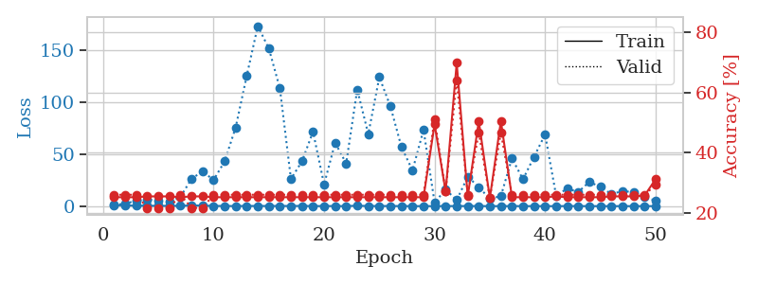
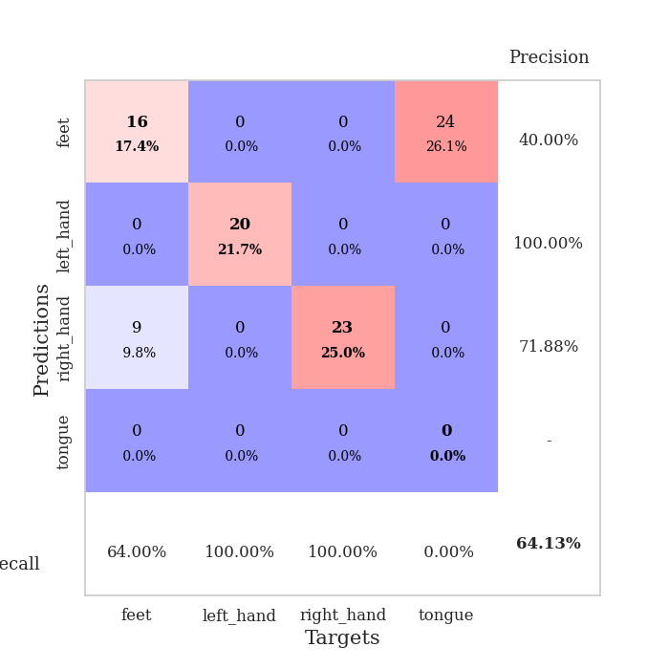
train_loss | valid_loss | train_accuracy | valid_accuracy | dur | train_misclass | valid_misclass
1.0353361601 | 1.4245459049 | 0.2527173913 | 0.26086956522 | 0.08930015564 | 25.27173913 | 26.086956522
0.68168789537 | 2.2113226704 | 0.2527173913 | 0.26086956522 | 0.087401151657 | 25.27173913 | 26.086956522
0.53333565852 | 5.4150975476 | 0.2527173913 | 0.26086956522 | 0.086797714233 | 25.27173913 | 26.086956522
0.42552693123 | 6.4913320127 | 0.25543478261 | 0.21739130435 | 0.086816072464 | 25.543478261 | 21.739130435
0.30966550209 | 5.301879717 | 0.25543478261 | 0.21739130435 | 0.08660364151 | 25.543478261 | 21.739130435
0.29663513666 | 4.2925618006 | 0.25543478261 | 0.21739130435 | 0.087164878845 | 25.543478261 | 21.739130435
0.4030608794 | 8.9176574375 | 0.2527173913 | 0.26086956522 | 0.086982965469 | 25.27173913 | 26.086956522
0.66623847705 | 26.325768512 | 0.25543478261 | 0.21739130435 | 0.08730340004 | 25.543478261 | 21.739130435
0.58178741841 | 33.574592093 | 0.25543478261 | 0.21739130435 | 0.086745738983 | 25.543478261 | 21.739130435
0.24763519576 | 25.174639577 | 0.2527173913 | 0.26086956522 | 0.087060213089 | 25.27173913 | 26.086956522
0.18296860434 | 43.194932025 | 0.2527173913 | 0.26086956522 | 0.086868524551 | 25.27173913 | 26.086956522
0.145494282 | 75.97218555 | 0.2527173913 | 0.26086956522 | 0.086644172668 | 25.27173913 | 26.086956522
0.22530476239 | 125.59559134 | 0.2527173913 | 0.26086956522 | 0.086581230164 | 25.27173913 | 26.086956522
0.19899816601 | 173.6655227 | 0.2527173913 | 0.26086956522 | 0.087038516998 | 25.27173913 | 26.086956522
0.19617869033 | 152.09128007 | 0.2527173913 | 0.26086956522 | 0.087213993073 | 25.27173913 | 26.086956522
0.20334488178 | 113.58458776 | 0.2527173913 | 0.26086956522 | 0.087334394455 | 25.27173913 | 26.086956522
0.2060214209 | 26.158726651 | 0.2527173913 | 0.26086956522 | 0.087401390076 | 25.27173913 | 26.086956522
0.24276897983 | 43.250036157 | 0.2527173913 | 0.26086956522 | 0.087083339691 | 25.27173913 | 26.086956522
0.094278168703 | 71.798248954 | 0.2527173913 | 0.26086956522 | 0.08736371994 | 25.27173913 | 26.086956522
0.14247317835 | 20.9271732 | 0.2527173913 | 0.26086956522 | 0.086832761765 | 25.27173913 | 26.086956522
0.13475751334 | 61.091378419 | 0.2527173913 | 0.26086956522 | 0.087257385254 | 25.27173913 | 26.086956522
0.066325732264 | 41.225923455 | 0.2527173913 | 0.26086956522 | 0.08730173111 | 25.27173913 | 26.086956522
0.50042075729 | 112.47167139 | 0.2527173913 | 0.26086956522 | 0.087438344955 | 25.27173913 | 26.086956522
0.12125506949 | 69.508102749 | 0.2527173913 | 0.26086956522 | 0.087628602982 | 25.27173913 | 26.086956522
0.19158778728 | 124.40669416 | 0.2527173913 | 0.26086956522 | 0.0871925354 | 25.27173913 | 26.086956522
0.15007851552 | 96.277955097 | 0.2527173913 | 0.26086956522 | 0.087071895599 | 25.27173913 | 26.086956522
0.11352363883 | 57.065289705 | 0.2527173913 | 0.26086956522 | 0.087445497513 | 25.27173913 | 26.086956522
0.051240561409 | 34.485668017 | 0.2527173913 | 0.26086956522 | 0.087416648865 | 25.27173913 | 26.086956522
0.069842953863 | 73.480532107 | 0.2527173913 | 0.26086956522 | 0.087362289429 | 25.27173913 | 26.086956522
0.070152936483 | 3.4565132597 | 0.49456521739 | 0.51086956522 | 0.08738899231 | 49.456521739 | 51.086956522
0.1635133571 | 16.087527151 | 0.27173913043 | 0.27173913043 | 0.08763384819 | 27.173913043 | 27.173913043
0.099261510955 | 5.750359473 | 0.69836956522 | 0.64130434783 | 0.087378740311 | 69.836956522 | 64.130434783
0.16510570719 | 28.419888953 | 0.25543478261 | 0.26086956522 | 0.087568998337 | 25.543478261 | 26.086956522
0.11342404625 | 18.475642412 | 0.50543478261 | 0.46739130435 | 0.087528467178 | 50.543478261 | 46.739130435
0.074638845217 | 6.899757406 | 0.25 | 0.25 | 0.087651491165 | 25 | 25
0.044096387295 | 9.7850692583 | 0.50543478261 | 0.46739130435 | 0.087103128433 | 50.543478261 | 46.739130435
0.12692325676 | 46.055833734 | 0.2527173913 | 0.26086956522 | 0.086956262589 | 25.27173913 | 26.086956522
0.063244506028 | 25.906089866 | 0.2527173913 | 0.26086956522 | 0.088629245758 | 25.27173913 | 26.086956522
0.075322473938 | 47.557638915 | 0.2527173913 | 0.26086956522 | 0.087572574615 | 25.27173913 | 26.086956522
0.045061161215 | 69.154405345 | 0.2527173913 | 0.26086956522 | 0.08723783493 | 25.27173913 | 26.086956522
0.049670540718 | 10.057535918 | 0.25543478261 | 0.26086956522 | 0.087531089783 | 25.543478261 | 26.086956522
0.1346454292 | 16.977374948 | 0.2527173913 | 0.26086956522 | 0.087445735931 | 25.27173913 | 26.086956522
0.10209893149 | 13.636304109 | 0.2527173913 | 0.26086956522 | 0.087013959885 | 25.27173913 | 26.086956522
0.068603724687 | 23.419013397 | 0.2527173913 | 0.26086956522 | 0.0870885849 | 25.27173913 | 26.086956522
0.050632011672 | 18.593046022 | 0.2527173913 | 0.26086956522 | 0.086995124817 | 25.27173913 | 26.086956522
0.035557005306 | 11.571424526 | 0.25543478261 | 0.26086956522 | 0.087850809097 | 25.543478261 | 26.086956522
0.086845681891 | 14.588305639 | 0.25543478261 | 0.26086956522 | 0.087242603302 | 25.543478261 | 26.086956522
0.03231937296 | 13.498435145 | 0.25543478261 | 0.26086956522 | 0.087304592133 | 25.543478261 | 26.086956522
0.063948659641 | 8.7884340701 | 0.25815217391 | 0.26086956522 | 0.087323188782 | 25.815217391 | 26.086956522
0.065136199078 | 5.2861316722 | 0.3125 | 0.29347826087 | 0.087566614151 | 31.25 | 29.347826087

Best Val accuracy is 0.6413043478260869 and Best test accuracy is 0.6551724137931034

Sheet6
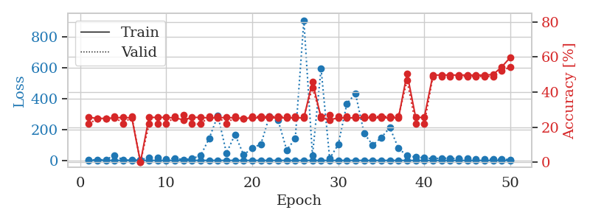
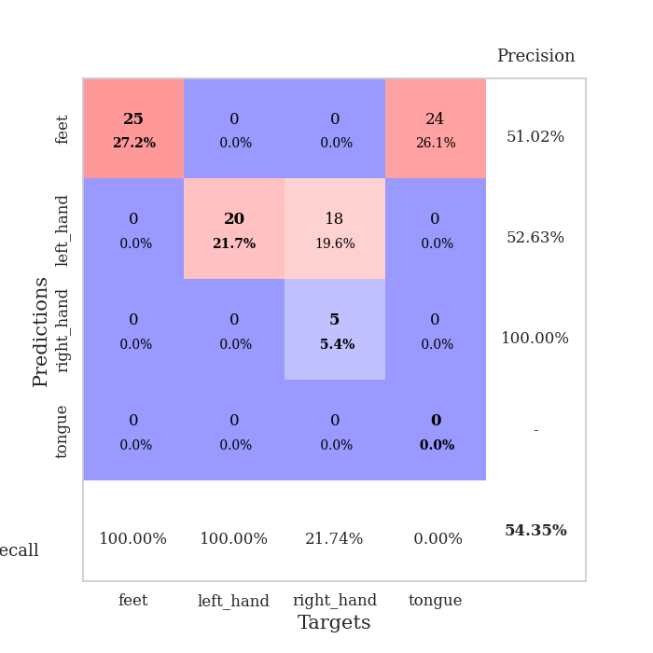
train_loss | valid_loss | train_accuracy | valid_accuracy | dur | train_misclass | valid_misclass
1.1171828871 | 1.7504132727 | 0.25543478261 | 0.21739130435 | 0.089399576187 | 25.543478261 | 21.739130435
0.65932954265 | 3.7797056592 | 0.25 | 0.25 | 0.086777925491 | 25 | 25
0.5463205414 | 5.1362648425 | 0.25 | 0.25 | 0.087014436722 | 25 | 25
0.37184063831 | 33.858044251 | 0.2527173913 | 0.26086956522 | 0.086936712265 | 25.27173913 | 26.086956522
0.37211373319 | 2.1428585674 | 0.25543478261 | 0.21739130435 | 0.087512731552 | 25.543478261 | 21.739130435
0.32231959571 | 2.1350076147 | 0.2527173913 | 0.26086956522 | 0.087149381638 | 25.27173913 | 26.086956522
0.26243311264 | 2.7891354872 | 0 | 0 | 0.086964130402 | 0 | 0
0.25464627471 | 19.833033769 | 0.25543478261 | 0.21739130435 | 0.087301969528 | 25.543478261 | 21.739130435
0.2175003159 | 20.161026499 | 0.25543478261 | 0.21739130435 | 0.087098121643 | 25.543478261 | 21.739130435
0.24866837781 | 6.0502787258 | 0.25543478261 | 0.21739130435 | 0.087051153183 | 25.543478261 | 21.739130435
0.26639818173 | 15.318345899 | 0.2527173913 | 0.26086956522 | 0.0870885849 | 25.27173913 | 26.086956522
0.20004724671 | 3.9520732216 | 0.24184782609 | 0.27173913043 | 0.087175130844 | 24.184782609 | 27.173913043
0.18702216949 | 12.140740478 | 0.25543478261 | 0.21739130435 | 0.087296485901 | 25.543478261 | 21.739130435
0.40849295672 | 30.952539693 | 0.25543478261 | 0.21739130435 | 0.087227582932 | 25.543478261 | 21.739130435
0.19654803715 | 143.46518807 | 0.2527173913 | 0.26086956522 | 0.087070703506 | 25.27173913 | 26.086956522
0.17824429642 | 290.05501125 | 0.2527173913 | 0.26086956522 | 0.087219715118 | 25.27173913 | 26.086956522
0.26631700636 | 48.17132021 | 0.25543478261 | 0.21739130435 | 0.087161779404 | 25.543478261 | 21.739130435
0.20463742522 | 167.54530865 | 0.2527173913 | 0.26086956522 | 0.087375640869 | 25.27173913 | 26.086956522
0.20796253716 | 35.150295423 | 0.25 | 0.25 | 0.087519884109 | 25 | 25
0.34056671344 | 80.787893544 | 0.2527173913 | 0.26086956522 | 0.087225198746 | 25.27173913 | 26.086956522
0.16729356429 | 104.05573173 | 0.2527173913 | 0.26086956522 | 0.087564706802 | 25.27173913 | 26.086956522
0.11926529795 | 286.22140238 | 0.2527173913 | 0.26086956522 | 0.087493896484 | 25.27173913 | 26.086956522
0.21418237881 | 260.05987018 | 0.2527173913 | 0.26086956522 | 0.086910247803 | 25.27173913 | 26.086956522
0.16530963853 | 67.034222976 | 0.2527173913 | 0.26086956522 | 0.087185621262 | 25.27173913 | 26.086956522
0.13235907111 | 139.90323738 | 0.2527173913 | 0.26086956522 | 0.086950540543 | 25.27173913 | 26.086956522
0.15974831221 | 905.32621168 | 0.2527173913 | 0.26086956522 | 0.087649345398 | 25.27173913 | 26.086956522
0.10364140036 | 30.621946003 | 0.45923913043 | 0.42391304348 | 0.087305545807 | 45.923913043 | 42.391304348
0.12575445316 | 593.10129448 | 0.2527173913 | 0.26086956522 | 0.087483167648 | 25.27173913 | 26.086956522
0.079068813756 | 12.088664801 | 0.24184782609 | 0.27173913043 | 0.087575674057 | 24.184782609 | 27.173913043
0.10023803661 | 102.64249188 | 0.2527173913 | 0.26086956522 | 0.087236881256 | 25.27173913 | 26.086956522
0.095853625554 | 366.84982698 | 0.2527173913 | 0.26086956522 | 0.087259292603 | 25.27173913 | 26.086956522
0.065070933399 | 432.36652275 | 0.2527173913 | 0.26086956522 | 0.087195634842 | 25.27173913 | 26.086956522
0.089686985209 | 175.21593442 | 0.2527173913 | 0.26086956522 | 0.087054729462 | 25.27173913 | 26.086956522
0.089628675831 | 98.825180385 | 0.2527173913 | 0.26086956522 | 0.087043046951 | 25.27173913 | 26.086956522
0.083450551853 | 147.80973816 | 0.2527173913 | 0.26086956522 | 0.087031602859 | 25.27173913 | 26.086956522
0.078801513265 | 211.8593279 | 0.2527173913 | 0.26086956522 | 0.087299108505 | 25.27173913 | 26.086956522
0.066457250763 | 77.83242632 | 0.2527173913 | 0.26086956522 | 0.087044000626 | 25.27173913 | 26.086956522
0.10527092642 | 30.541816214 | 0.50543478261 | 0.46739130435 | 0.086968898773 | 50.543478261 | 46.739130435
0.065873319931 | 21.485412681 | 0.25543478261 | 0.21739130435 | 0.087785482407 | 25.543478261 | 21.739130435
0.044452830957 | 16.542182342 | 0.25543478261 | 0.21739130435 | 0.087349414825 | 25.543478261 | 21.739130435
0.040958741822 | 11.292706821 | 0.4972826087 | 0.48913043478 | 0.08783531189 | 49.72826087 | 48.913043478
0.089972645753 | 14.955864616 | 0.4972826087 | 0.48913043478 | 0.087819099426 | 49.72826087 | 48.913043478
0.060139591299 | 13.192020997 | 0.4972826087 | 0.48913043478 | 0.087455749512 | 49.72826087 | 48.913043478
0.02643360562 | 11.003888545 | 0.4972826087 | 0.48913043478 | 0.087374448776 | 49.72826087 | 48.913043478
0.042062057385 | 10.730120949 | 0.4972826087 | 0.48913043478 | 0.087062358856 | 49.72826087 | 48.913043478
0.046264665232 | 9.4312026397 | 0.4972826087 | 0.48913043478 | 0.087068319321 | 49.72826087 | 48.913043478
0.047516291698 | 9.0191965103 | 0.4972826087 | 0.48913043478 | 0.087092876434 | 49.72826087 | 48.913043478
0.032588410505 | 8.2455931539 | 0.5 | 0.48913043478 | 0.087102174759 | 50 | 48.913043478
0.054553867591 | 6.891652356 | 0.54347826087 | 0.52173913043 | 0.087196588516 | 54.347826087 | 52.173913043
0.046717402282 | 5.8949128649 | 0.59782608696 | 0.54347826087 | 0.087158679962 | 59.782608696 | 54.347826087

Best Val accuracy is 0.5434782608695652 and Best test accuracy is 0.5862068965517241

Sheet7
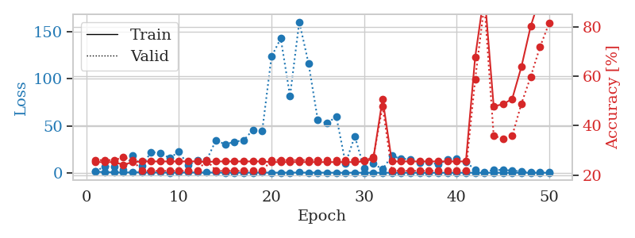
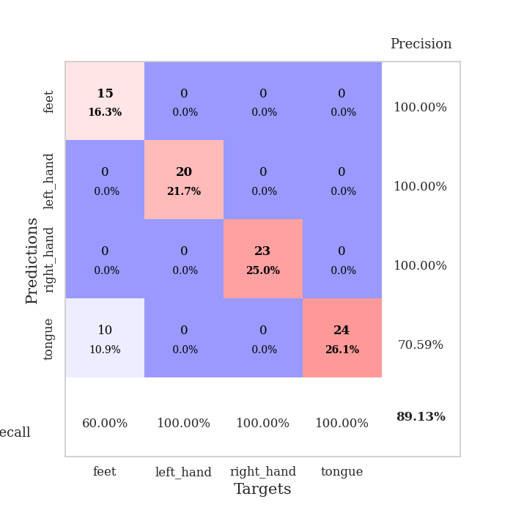
train_loss | valid_loss | train_accuracy | valid_accuracy | dur | train_misclass | valid_misclass
1.088508098 | 1.5610287915 | 0.2527173913 | 0.26086956522 | 0.08878827095 | 25.27173913 | 26.086956522
0.6701983654 | 6.9621712021 | 0.2527173913 | 0.26086956522 | 0.08759522438 | 25.27173913 | 26.086956522
0.42627390377 | 6.4976176179 | 0.2527173913 | 0.26086956522 | 0.087111949921 | 25.27173913 | 26.086956522
0.34431371741 | 3.5554666208 | 0.24184782609 | 0.27173913043 | 0.08752322197 | 24.184782609 | 27.173913043
0.4470803945 | 17.990369548 | 0.2527173913 | 0.26086956522 | 0.087821006775 | 25.27173913 | 26.086956522
0.51584766416 | 7.2615251956 | 0.25543478261 | 0.21739130435 | 0.087546825409 | 25.543478261 | 21.739130435
0.3519122377 | 22.064930045 | 0.25543478261 | 0.21739130435 | 0.087210416794 | 25.543478261 | 21.739130435
0.25290738451 | 20.919510634 | 0.25543478261 | 0.21739130435 | 0.087107419968 | 25.543478261 | 21.739130435
0.20788905964 | 15.757951654 | 0.25543478261 | 0.21739130435 | 0.086921215057 | 25.543478261 | 21.739130435
0.23158286682 | 22.345490746 | 0.25543478261 | 0.21739130435 | 0.087802886963 | 25.543478261 | 21.739130435
0.35803235873 | 7.9873324684 | 0.25543478261 | 0.21739130435 | 0.087026834488 | 25.543478261 | 21.739130435
0.28625301223 | 13.494343675 | 0.25543478261 | 0.21739130435 | 0.087565660477 | 25.543478261 | 21.739130435
0.25543885986 | 13.558573059 | 0.2527173913 | 0.26086956522 | 0.087424278259 | 25.27173913 | 26.086956522
0.24290701261 | 34.618898806 | 0.25543478261 | 0.21739130435 | 0.087554216385 | 25.543478261 | 21.739130435
0.15601033393 | 30.290967195 | 0.25543478261 | 0.21739130435 | 0.087709903717 | 25.543478261 | 21.739130435
0.21665372546 | 33.055934574 | 0.25543478261 | 0.21739130435 | 0.087327957153 | 25.543478261 | 21.739130435
0.19561409813 | 34.56589591 | 0.25543478261 | 0.21739130435 | 0.087503194809 | 25.543478261 | 21.739130435
0.21597046992 | 45.817607216 | 0.25543478261 | 0.21739130435 | 0.087437391281 | 25.543478261 | 21.739130435
0.29198939118 | 44.853709345 | 0.25543478261 | 0.21739130435 | 0.087451934814 | 25.543478261 | 21.739130435
0.12700234953 | 123.6465066 | 0.2527173913 | 0.26086956522 | 0.087159156799 | 25.27173913 | 26.086956522
0.15771013118 | 142.98322528 | 0.2527173913 | 0.26086956522 | 0.087182044983 | 25.27173913 | 26.086956522
0.18197887682 | 81.644842728 | 0.2527173913 | 0.26086956522 | 0.087263345718 | 25.27173913 | 26.086956522
0.2334400937 | 160.70405579 | 0.2527173913 | 0.26086956522 | 0.087440252304 | 25.27173913 | 26.086956522
0.14163386384 | 116.48545672 | 0.2527173913 | 0.26086956522 | 0.087211370468 | 25.27173913 | 26.086956522
0.19289208398 | 56.263726773 | 0.2527173913 | 0.26086956522 | 0.087392807007 | 25.27173913 | 26.086956522
0.1435679765 | 52.766673378 | 0.2527173913 | 0.26086956522 | 0.087103366852 | 25.27173913 | 26.086956522
0.076020756534 | 59.724129055 | 0.2527173913 | 0.26086956522 | 0.087087154388 | 25.27173913 | 26.086956522
0.080104620135 | 10.07766054 | 0.2527173913 | 0.26086956522 | 0.087253093719 | 25.27173913 | 26.086956522
0.12416586248 | 38.872507676 | 0.2527173913 | 0.26086956522 | 0.08750629425 | 25.27173913 | 26.086956522
0.061974608137 | 4.6441741197 | 0.25543478261 | 0.26086956522 | 0.087526321411 | 25.543478261 | 26.086956522
0.08931160289 | 9.7427698633 | 0.26630434783 | 0.27173913043 | 0.08734369278 | 26.630434783 | 27.173913043
0.06269185739 | 3.6403293299 | 0.50815217391 | 0.47826086957 | 0.087457895279 | 50.815217391 | 47.826086957
0.099853085911 | 18.056907239 | 0.25543478261 | 0.21739130435 | 0.087814569473 | 25.543478261 | 21.739130435
0.060009268112 | 14.899366379 | 0.25543478261 | 0.21739130435 | 0.087219238281 | 25.543478261 | 21.739130435
0.05483301976 | 14.488306004 | 0.25543478261 | 0.21739130435 | 0.087706804276 | 25.543478261 | 21.739130435
0.044522630638 | 10.429626299 | 0.25543478261 | 0.21739130435 | 0.087369203568 | 25.543478261 | 21.739130435
0.027987247667 | 11.608913629 | 0.25543478261 | 0.21739130435 | 0.087586164474 | 25.543478261 | 21.739130435
0.049974203828 | 8.7081853618 | 0.25543478261 | 0.21739130435 | 0.087556123734 | 25.543478261 | 21.739130435
0.043139164478 | 13.927761451 | 0.25543478261 | 0.21739130435 | 0.087744474411 | 25.543478261 | 21.739130435
0.067082368931 | 15.151527239 | 0.25543478261 | 0.21739130435 | 0.088075399399 | 25.543478261 | 21.739130435
0.068939851374 | 11.46996411 | 0.25543478261 | 0.21739130435 | 0.08744096756 | 25.543478261 | 21.739130435
0.082612314019 | 3.3042374487 | 0.67663043478 | 0.58695652174 | 0.087422370911 | 67.663043478 | 58.695652174
0.042628881339 | 0.36307674646 | 0.9375 | 0.89130434783 | 0.087575674057 | 93.75 | 89.130434783
0.11944614876 | 3.0925386367 | 0.47826086957 | 0.35869565217 | 0.088031768799 | 47.826086957 | 35.869565217
0.032968530178 | 2.9058244643 | 0.48641304348 | 0.34782608696 | 0.087398290634 | 48.641304348 | 34.782608696
0.031201768717 | 2.4272805504 | 0.50815217391 | 0.35869565217 | 0.087170362473 | 50.815217391 | 35.869565217
0.05711158443 | 1.4027536796 | 0.63858695652 | 0.48913043478 | 0.087432146072 | 63.858695652 | 48.913043478
0.046286550887 | 0.87227193169 | 0.80163043478 | 0.59782608696 | 0.08932185173 | 80.163043478 | 59.782608696
0.030006338336 | 0.52996550176 | 0.91847826087 | 0.71739130435 | 0.087280750275 | 91.847826087 | 71.739130435
0.091739053393 | 0.32783201207 | 0.98097826087 | 0.8152173913 | 0.087570667267 | 98.097826087 | 81.52173913

Best Val accuracy is 0.8913043478260869 and Best test accuracy is 0.8793103448275862

Sheet8
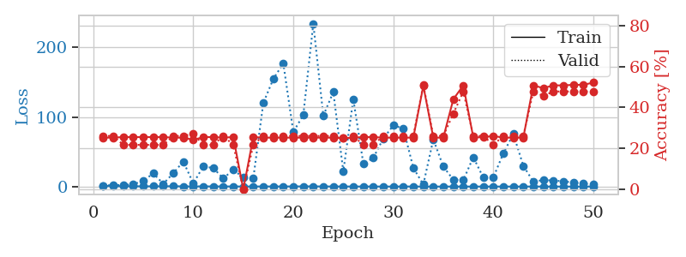
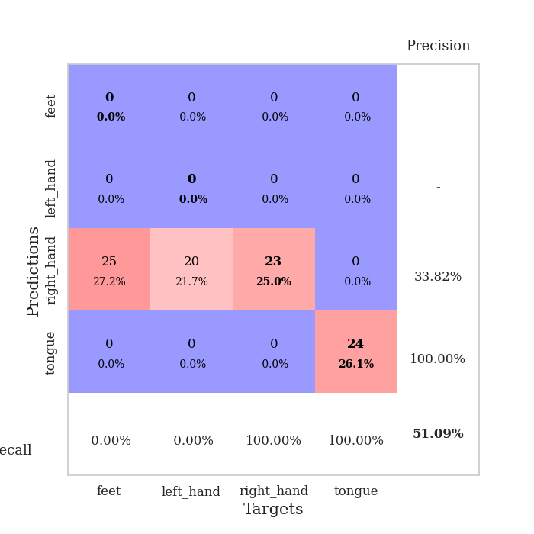
train_loss | valid_loss | train_accuracy | valid_accuracy | dur | train_misclass | valid_misclass
1.1037594287 | 1.409093665 | 0.2527173913 | 0.26086956522 | 0.089264392853 | 25.27173913 | 26.086956522
0.63085131282 | 2.0985721039 | 0.2527173913 | 0.26086956522 | 0.089303255081 | 25.27173913 | 26.086956522
0.49239060607 | 2.1004207031 | 0.25543478261 | 0.21739130435 | 0.086987733841 | 25.543478261 | 21.739130435
0.43328297462 | 3.1957071657 | 0.25543478261 | 0.21739130435 | 0.08710360527 | 25.543478261 | 21.739130435
0.32795200141 | 8.2625089314 | 0.25543478261 | 0.21739130435 | 0.087023258209 | 25.543478261 | 21.739130435
0.35510979544 | 18.902634745 | 0.25543478261 | 0.21739130435 | 0.086965084076 | 25.543478261 | 21.739130435
0.34905554953 | 3.9582646619 | 0.25543478261 | 0.21739130435 | 0.087078809738 | 25.543478261 | 21.739130435
0.537747008 | 19.142223607 | 0.2527173913 | 0.26086956522 | 0.087441205978 | 25.27173913 | 26.086956522
0.24129501277 | 35.986214348 | 0.2527173913 | 0.26086956522 | 0.087303876877 | 25.27173913 | 26.086956522
0.25122736394 | 4.6417516833 | 0.24184782609 | 0.27173913043 | 0.087198734283 | 24.184782609 | 27.173913043
0.26477516588 | 28.944230453 | 0.25543478261 | 0.21739130435 | 0.087444782257 | 25.543478261 | 21.739130435
0.20614253956 | 26.57453678 | 0.25543478261 | 0.21739130435 | 0.087374687195 | 25.543478261 | 21.739130435
0.18737894224 | 11.645779485 | 0.2527173913 | 0.26086956522 | 0.086969137192 | 25.27173913 | 26.086956522
0.15368381434 | 24.310691916 | 0.25543478261 | 0.21739130435 | 0.087029457092 | 25.543478261 | 21.739130435
0.10787085849 | 12.649397104 | 0 | 0 | 0.087292432785 | 0 | 0
0.11671293243 | 11.714048344 | 0.25543478261 | 0.21739130435 | 0.087023496628 | 25.543478261 | 21.739130435
0.15527220898 | 120.04471256 | 0.2527173913 | 0.26086956522 | 0.087348222733 | 25.27173913 | 26.086956522
0.16534419459 | 154.66274825 | 0.2527173913 | 0.26086956522 | 0.086964607239 | 25.27173913 | 26.086956522
0.16439842372 | 177.01756021 | 0.2527173913 | 0.26086956522 | 0.0870449543 | 25.27173913 | 26.086956522
0.20208446746 | 78.521889396 | 0.2527173913 | 0.26086956522 | 0.088661909103 | 25.27173913 | 26.086956522
0.27204784824 | 102.70226752 | 0.2527173913 | 0.26086956522 | 0.086955547333 | 25.27173913 | 26.086956522
0.27080352313 | 234.2344022 | 0.2527173913 | 0.26086956522 | 0.087533950806 | 25.27173913 | 26.086956522
0.15763984572 | 101.82501984 | 0.2527173913 | 0.26086956522 | 0.087099790573 | 25.27173913 | 26.086956522
0.15611309674 | 135.84845269 | 0.2527173913 | 0.26086956522 | 0.088909864426 | 25.27173913 | 26.086956522
0.11876730908 | 21.628779121 | 0.25 | 0.25 | 0.087569713593 | 25 | 25
0.080840894122 | 125.52308588 | 0.2527173913 | 0.26086956522 | 0.087089300156 | 25.27173913 | 26.086956522
0.10071471145 | 33.191251755 | 0.25543478261 | 0.21739130435 | 0.087101221085 | 25.543478261 | 21.739130435
0.080590775965 | 41.205984862 | 0.25543478261 | 0.21739130435 | 0.086984634399 | 25.543478261 | 21.739130435
0.060312755001 | 69.09173982 | 0.2527173913 | 0.26086956522 | 0.087706327438 | 25.27173913 | 26.086956522
0.058524168643 | 87.776019221 | 0.2527173913 | 0.26086956522 | 0.087254047394 | 25.27173913 | 26.086956522
0.099233516016 | 83.623223014 | 0.2527173913 | 0.26086956522 | 0.089359521866 | 25.27173913 | 26.086956522
0.095829962085 | 26.919375627 | 0.2527173913 | 0.26086956522 | 0.08687543869 | 25.27173913 | 26.086956522
0.057074068074 | 2.8474276532 | 0.50543478261 | 0.51086956522 | 0.086320877075 | 50.543478261 | 51.086956522
0.033826215476 | 67.772071009 | 0.2527173913 | 0.26086956522 | 0.086203813553 | 25.27173913 | 26.086956522
0.020230319442 | 28.629457308 | 0.2527173913 | 0.26086956522 | 0.086027383804 | 25.27173913 | 26.086956522
0.087251617353 | 9.8889558834 | 0.4402173913 | 0.36956521739 | 0.086210727692 | 44.02173913 | 36.956521739
0.016689688453 | 9.2899003444 | 0.50815217391 | 0.47826086957 | 0.085740327835 | 50.815217391 | 47.826086957
0.042322695832 | 42.171644294 | 0.2527173913 | 0.26086956522 | 0.085886716843 | 25.27173913 | 26.086956522
0.064210020681 | 12.841333845 | 0.25543478261 | 0.26086956522 | 0.085883140564 | 25.543478261 | 26.086956522
0.033972759579 | 13.028431188 | 0.26086956522 | 0.21739130435 | 0.086055278778 | 26.086956522 | 21.739130435
0.049880724633 | 47.712719461 | 0.2527173913 | 0.26086956522 | 0.085987567902 | 25.27173913 | 26.086956522
0.043424900297 | 75.50342593 | 0.2527173913 | 0.26086956522 | 0.085921287537 | 25.27173913 | 26.086956522
0.025094960037 | 29.853059188 | 0.2527173913 | 0.26086956522 | 0.085859298706 | 25.27173913 | 26.086956522
0.095595634444 | 6.9510291556 | 0.50815217391 | 0.47826086957 | 0.086009740829 | 50.815217391 | 47.826086957
0.03262236684 | 9.3992382962 | 0.49456521739 | 0.45652173913 | 0.086900234222 | 49.456521739 | 45.652173913
0.018647427127 | 8.5986489213 | 0.50815217391 | 0.47826086957 | 0.086828708649 | 50.815217391 | 47.826086957
0.019445793187 | 7.6214510254 | 0.50815217391 | 0.47826086957 | 0.08615231514 | 50.815217391 | 47.826086957
0.025282946466 | 5.7127132416 | 0.51086956522 | 0.47826086957 | 0.085957288742 | 51.086956522 | 47.826086957
0.043236675763 | 4.3297795731 | 0.51086956522 | 0.47826086957 | 0.086103439331 | 51.086956522 | 47.826086957
0.067611318183 | 3.2242699913 | 0.52173913043 | 0.47826086957 | 0.085902452469 | 52.173913043 | 47.826086957

Best Val accuracy is 0.5108695652173914 and Best test accuracy is 0.4827586206896552

Sheet9
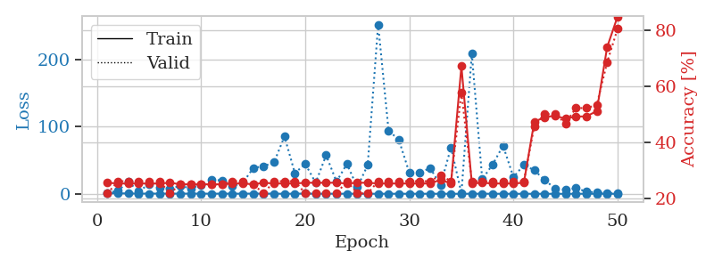
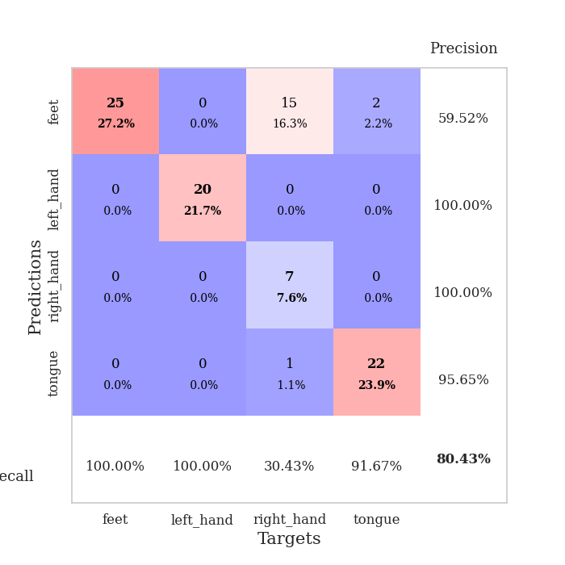
train_loss | valid_loss | train_accuracy | valid_accuracy | dur | train_misclass | valid_misclass
1.0808578341 | 1.6306017585 | 0.25543478261 | 0.21739130435 | 0.087143182755 | 25.543478261 | 21.739130435
0.73440149167 | 4.5669568725 | 0.2527173913 | 0.26086956522 | 0.085815429688 | 25.27173913 | 26.086956522
0.57141512632 | 18.047250167 | 0.2527173913 | 0.26086956522 | 0.086116075516 | 25.27173913 | 26.086956522
0.3263388004 | 3.4412388905 | 0.2527173913 | 0.26086956522 | 0.085619926453 | 25.27173913 | 26.086956522
0.32839871781 | 14.667184581 | 0.2527173913 | 0.26086956522 | 0.085636138916 | 25.27173913 | 26.086956522
0.3246194121 | 8.8430296027 | 0.2527173913 | 0.26086956522 | 0.086257219315 | 25.27173913 | 26.086956522
0.28842165775 | 7.7929286335 | 0.25543478261 | 0.21739130435 | 0.086501836777 | 25.543478261 | 21.739130435
0.26258706334 | 11.723712092 | 0.25 | 0.25 | 0.0858066082 | 25 | 25
0.33266071457 | 8.2403338059 | 0.25 | 0.25 | 0.08585858345 | 25 | 25
0.28258112203 | 13.098415209 | 0.25 | 0.25 | 0.08595085144 | 25 | 25
0.21029536556 | 20.716586072 | 0.25 | 0.25 | 0.085946083069 | 25 | 25
0.26479961707 | 20.038554482 | 0.25 | 0.25 | 0.085864782333 | 25 | 25
0.20863847892 | 11.309124656 | 0.2527173913 | 0.26086956522 | 0.08597612381 | 25.27173913 | 26.086956522
0.2340694193 | 16.266646468 | 0.2527173913 | 0.26086956522 | 0.087732791901 | 25.27173913 | 26.086956522
0.31230082023 | 38.37198755 | 0.25 | 0.25 | 0.086079597473 | 25 | 25
0.30663545697 | 41.197693535 | 0.25543478261 | 0.21739130435 | 0.085950613022 | 25.543478261 | 21.739130435
0.21618432867 | 46.786986144 | 0.2527173913 | 0.26086956522 | 0.086118459702 | 25.27173913 | 26.086956522
0.098452532583 | 85.436150924 | 0.2527173913 | 0.26086956522 | 0.086198329926 | 25.27173913 | 26.086956522
0.16059254571 | 30.827626187 | 0.2527173913 | 0.26086956522 | 0.085909128189 | 25.27173913 | 26.086956522
0.36461617417 | 44.516361237 | 0.25543478261 | 0.21739130435 | 0.086003541946 | 25.543478261 | 21.739130435
0.18768784906 | 16.351000081 | 0.25543478261 | 0.21739130435 | 0.086087942123 | 25.543478261 | 21.739130435
0.24557473195 | 57.417576665 | 0.25543478261 | 0.21739130435 | 0.085968971252 | 25.543478261 | 21.739130435
0.12050786193 | 18.191197851 | 0.25543478261 | 0.21739130435 | 0.086024522781 | 25.543478261 | 21.739130435
0.19720982926 | 44.490461432 | 0.2527173913 | 0.26086956522 | 0.085896253586 | 25.27173913 | 26.086956522
0.08738446592 | 9.6335654881 | 0.25543478261 | 0.21739130435 | 0.085952281952 | 25.543478261 | 21.739130435
0.12922493816 | 43.044269064 | 0.25543478261 | 0.21739130435 | 0.085939884186 | 25.543478261 | 21.739130435
0.077486056369 | 252.12061675 | 0.2527173913 | 0.26086956522 | 0.086034297943 | 25.27173913 | 26.086956522
0.13137569388 | 94.42974555 | 0.2527173913 | 0.26086956522 | 0.086091518402 | 25.27173913 | 26.086956522
0.12917613914 | 79.891538869 | 0.2527173913 | 0.26086956522 | 0.08638215065 | 25.27173913 | 26.086956522
0.091189640534 | 31.19242834 | 0.2527173913 | 0.26086956522 | 0.085991621017 | 25.27173913 | 26.086956522
0.12841256728 | 31.7598765 | 0.2527173913 | 0.26086956522 | 0.085854768753 | 25.27173913 | 26.086956522
0.10899430173 | 38.241377126 | 0.2527173913 | 0.26086956522 | 0.086103916168 | 25.27173913 | 26.086956522
0.091989789138 | 13.107770049 | 0.26630434783 | 0.28260869565 | 0.085953474045 | 26.630434783 | 28.260869565
0.058978273311 | 69.061990157 | 0.2527173913 | 0.26086956522 | 0.094290494919 | 25.27173913 | 26.086956522
0.053131691443 | 0.93728057716 | 0.67119565217 | 0.57608695652 | 0.097340345383 | 67.119565217 | 57.608695652
0.16343666625 | 208.53438336 | 0.2527173913 | 0.26086956522 | 0.096918582916 | 25.27173913 | 26.086956522
0.12130111191 | 21.727713295 | 0.25543478261 | 0.26086956522 | 0.087906837463 | 25.543478261 | 26.086956522
0.14606705851 | 43.629758752 | 0.2527173913 | 0.26086956522 | 0.087543725967 | 25.27173913 | 26.086956522
0.064867965168 | 71.558611994 | 0.2527173913 | 0.26086956522 | 0.087712287903 | 25.27173913 | 26.086956522
0.061360210909 | 24.907685902 | 0.2527173913 | 0.26086956522 | 0.087574481964 | 25.27173913 | 26.086956522
0.080192835475 | 42.872267184 | 0.25543478261 | 0.26086956522 | 0.087605714798 | 25.543478261 | 26.086956522
0.052780124015 | 35.161236473 | 0.47282608696 | 0.45652173913 | 0.08762216568 | 47.282608696 | 45.652173913
0.04137398302 | 20.403680801 | 0.48913043478 | 0.5 | 0.087533712387 | 48.913043478 | 50
0.034169147166 | 8.0397678044 | 0.49456521739 | 0.5 | 0.087596416473 | 49.456521739 | 50
0.053321723087 | 6.1010582136 | 0.48369565217 | 0.46739130435 | 0.087580680847 | 48.369565217 | 46.739130435
0.076382972968 | 8.4004580871 | 0.49184782609 | 0.52173913043 | 0.087515115738 | 49.184782609 | 52.173913043
0.06658334283 | 3.293270816 | 0.49184782609 | 0.52173913043 | 0.087825536728 | 49.184782609 | 52.173913043
0.0675589479 | 2.0299239055 | 0.51086956522 | 0.53260869565 | 0.087787866592 | 51.086956522 | 53.260869565
0.04910876275 | 1.0054662124 | 0.73913043478 | 0.6847826087 | 0.088502407074 | 73.913043478 | 68.47826087
0.059752516165 | 0.53122270107 | 0.84782608696 | 0.80434782609 | 0.091434240341 | 84.782608696 | 80.434782609

Best Val accuracy is 0.8043478260869565 and Best test accuracy is 0.8103448275862069

Sheet10
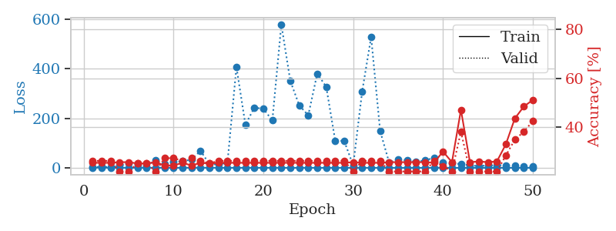
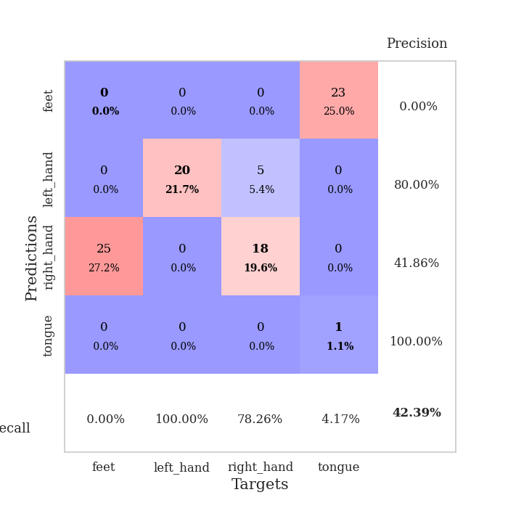
train_loss | valid_loss | train_accuracy | valid_accuracy | dur | train_misclass | valid_misclass
1.0613735059 | 1.6256678986 | 0.2527173913 | 0.26086956522 | 0.089389801025 | 25.27173913 | 26.086956522
0.60776822722 | 4.8713252233 | 0.2527173913 | 0.26086956522 | 0.088144540787 | 25.27173913 | 26.086956522
0.44768146847 | 1.9831912258 | 0.2527173913 | 0.26086956522 | 0.088055849075 | 25.27173913 | 26.086956522
0.39649285473 | 9.4273944938 | 0.25543478261 | 0.21739130435 | 0.08828163147 | 25.543478261 | 21.739130435
0.24906067291 | 17.213202518 | 0.25543478261 | 0.21739130435 | 0.0886323452 | 25.543478261 | 21.739130435
0.29520370973 | 12.354467102 | 0.25 | 0.25 | 0.088751077652 | 25 | 25
0.25057620328 | 7.3780499749 | 0.25 | 0.25 | 0.089124441147 | 25 | 25
0.26064592163 | 31.150498763 | 0.25543478261 | 0.21739130435 | 0.088836669922 | 25.543478261 | 21.739130435
0.25782496547 | 14.348389169 | 0.24184782609 | 0.27173913043 | 0.089074611664 | 24.184782609 | 27.173913043
0.16482674679 | 23.347499764 | 0.24184782609 | 0.27173913043 | 0.089111804962 | 24.184782609 | 27.173913043
0.25933555894 | 26.722118461 | 0.2527173913 | 0.26086956522 | 0.088657855988 | 25.27173913 | 26.086956522
0.2182286342 | 33.18888656 | 0.24184782609 | 0.27173913043 | 0.089029312134 | 24.184782609 | 27.173913043
0.56647460831 | 68.805263353 | 0.2527173913 | 0.26086956522 | 0.089119195938 | 25.27173913 | 26.086956522
0.37753449388 | 14.197966907 | 0.25 | 0.25 | 0.088857650757 | 25 | 25
0.29001560921 | 13.950850611 | 0.2527173913 | 0.26086956522 | 0.088919639587 | 25.27173913 | 26.086956522
0.18221637177 | 20.09334274 | 0.2527173913 | 0.26086956522 | 0.089257478714 | 25.27173913 | 26.086956522
0.12144177626 | 406.7938657 | 0.2527173913 | 0.26086956522 | 0.089131116867 | 25.27173913 | 26.086956522
0.18319133037 | 173.77059207 | 0.2527173913 | 0.26086956522 | 0.088536977768 | 25.27173913 | 26.086956522
0.15521951655 | 243.09017082 | 0.2527173913 | 0.26086956522 | 0.08903837204 | 25.27173913 | 26.086956522
0.086418784264 | 237.83510357 | 0.2527173913 | 0.26086956522 | 0.089249610901 | 25.27173913 | 26.086956522
0.071642169628 | 191.13142992 | 0.2527173913 | 0.26086956522 | 0.089385271072 | 25.27173913 | 26.086956522
0.14470197989 | 577.89827562 | 0.2527173913 | 0.26086956522 | 0.088898420334 | 25.27173913 | 26.086956522
0.13686032275 | 350.28031457 | 0.2527173913 | 0.26086956522 | 0.088740110397 | 25.27173913 | 26.086956522
0.13437164468 | 251.58656576 | 0.2527173913 | 0.26086956522 | 0.088917732239 | 25.27173913 | 26.086956522
0.14477465099 | 211.70989459 | 0.2527173913 | 0.26086956522 | 0.088886022568 | 25.27173913 | 26.086956522
0.058810334592 | 380.14817213 | 0.2527173913 | 0.26086956522 | 0.088485956192 | 25.27173913 | 26.086956522
0.056740304799 | 326.48566868 | 0.2527173913 | 0.26086956522 | 0.08892083168 | 25.27173913 | 26.086956522
0.049253477745 | 109.61887028 | 0.2527173913 | 0.26086956522 | 0.08892416954 | 25.27173913 | 26.086956522
0.20060520922 | 108.46031653 | 0.2527173913 | 0.26086956522 | 0.089182853699 | 25.27173913 | 26.086956522
0.069695738083 | 9.6923221091 | 0.25543478261 | 0.21739130435 | 0.088633775711 | 25.543478261 | 21.739130435
0.094811011895 | 307.79622352 | 0.2527173913 | 0.26086956522 | 0.08865070343 | 25.27173913 | 26.086956522
0.080412516421 | 527.59219626 | 0.2527173913 | 0.26086956522 | 0.089052200317 | 25.27173913 | 26.086956522
0.072019227856 | 148.90685703 | 0.2527173913 | 0.26086956522 | 0.088761091232 | 25.27173913 | 26.086956522
0.084746795706 | 21.855612133 | 0.25543478261 | 0.21739130435 | 0.089089393616 | 25.543478261 | 21.739130435
0.085675024435 | 33.873213063 | 0.25543478261 | 0.21739130435 | 0.088909387589 | 25.543478261 | 21.739130435
0.043414485276 | 29.977896566 | 0.25543478261 | 0.21739130435 | 0.089151620865 | 25.543478261 | 21.739130435
0.036073335993 | 23.294292035 | 0.25543478261 | 0.21739130435 | 0.088893651962 | 25.543478261 | 21.739130435
0.14369900115 | 30.449676845 | 0.25543478261 | 0.21739130435 | 0.089059114456 | 25.543478261 | 21.739130435
0.05183288293 | 39.806540779 | 0.2527173913 | 0.26086956522 | 0.10066270828 | 25.27173913 | 26.086956522
0.11381086512 | 22.737237101 | 0.29891304348 | 0.23913043478 | 0.092561483383 | 29.891304348 | 23.913043478
0.043297866133 | 19.918467148 | 0.25543478261 | 0.21739130435 | 0.088480949402 | 25.543478261 | 21.739130435
0.032773235099 | 14.529415628 | 0.47010869565 | 0.38043478261 | 0.088816642761 | 47.010869565 | 38.043478261
0.046002026323 | 10.377576082 | 0.25543478261 | 0.21739130435 | 0.088871955872 | 25.543478261 | 21.739130435
0.030544345161 | 6.6115111268 | 0.25815217391 | 0.21739130435 | 0.088810682297 | 25.815217391 | 21.739130435
0.048796051341 | 10.243425908 | 0.25543478261 | 0.21739130435 | 0.088817358017 | 25.543478261 | 21.739130435
0.083482408051 | 10.339237379 | 0.25815217391 | 0.21739130435 | 0.088583469391 | 25.815217391 | 21.739130435
0.085676098495 | 10.592106985 | 0.32880434783 | 0.28260869565 | 0.088755846024 | 32.880434783 | 28.260869565
0.053621686722 | 8.0363399879 | 0.4347826087 | 0.34782608696 | 0.088648796082 | 43.47826087 | 34.782608696
0.019993150298 | 6.0026551744 | 0.48369565217 | 0.38043478261 | 0.088808774948 | 48.369565217 | 38.043478261
0.042676586551 | 4.5995762452 | 0.51086956522 | 0.42391304348 | 0.089040517807 | 51.086956522 | 42.391304348

Best Val accuracy is 0.42391304347826086 and Best test accuracy is 0.5

