Sheet
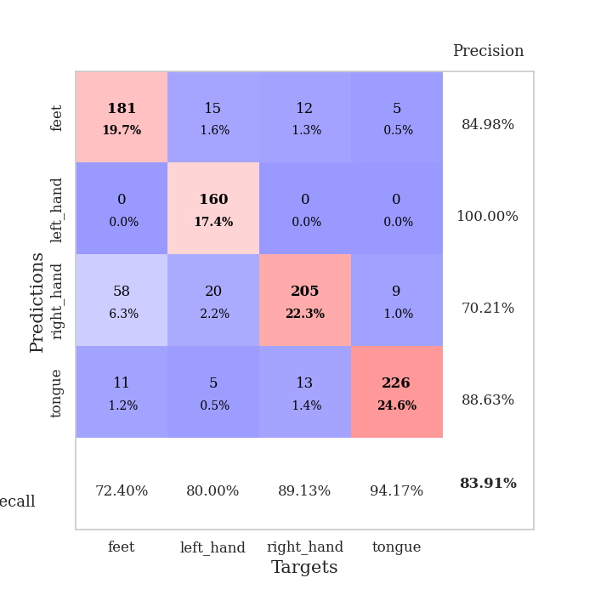
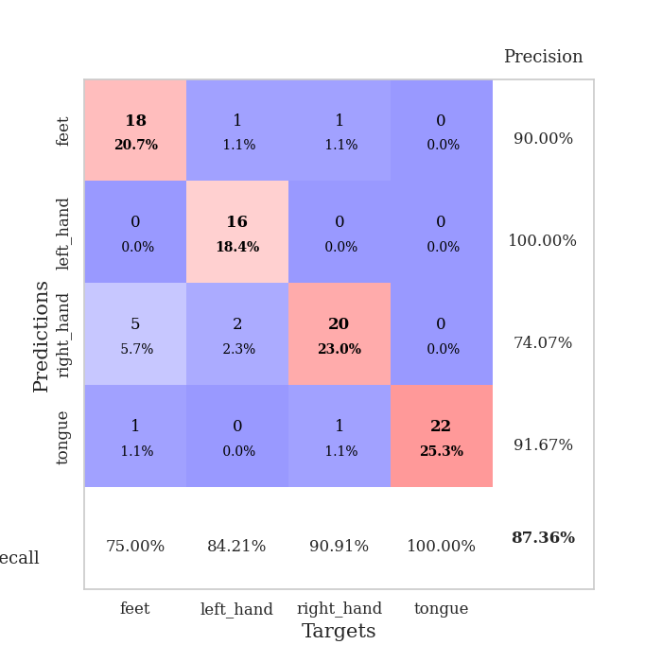
best_val_acc | best_val_los | best_test_acc
0.98913043478 | 0.05425223858 | 0.97413793103
0.58695652174 | 1.4113547646 | 0.54310344828
0.46739130435 | 1.6474948914 | 0.43103448276
0.63043478261 | 1.5696806027 | 0.60344827586
0.98913043478 | 0.064965069982 | 0.98275862069
0.98913043478 | 0.034912217874 | 0.99137931034
0.80434782609 | 0.52124904874 | 0.77586206897
0.98913043478 | 0.033865253805 | 0.98275862069
0.98913043478 | 0.038066371815 | 0.97413793103
0.95652173913 | 0.11996012683 | 0.93965517241

Mean,std Val accuracy is 0.8391304347826086 , 0.2035316210640176 and mean, std test accuracy is 0.8198275862068964 , 0.21628025850269936

Sheet1
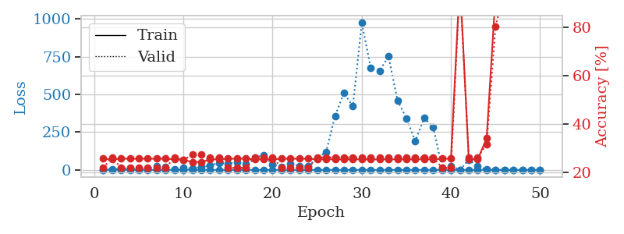
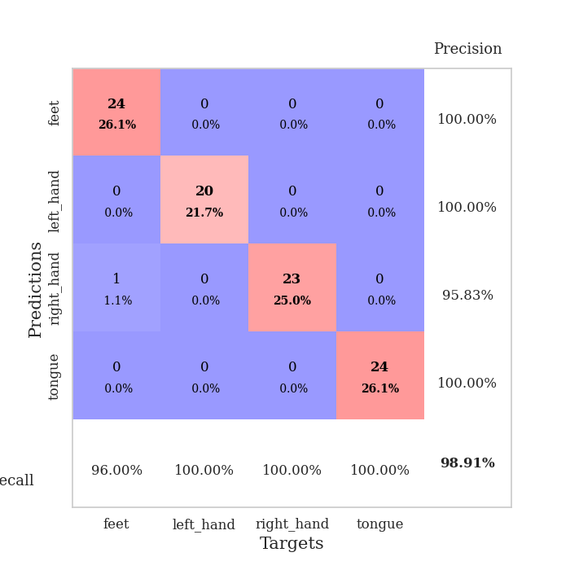
train_loss | valid_loss | train_accuracy | valid_accuracy | dur | train_misclass | valid_misclass
1.0964040367 | 1.5352347675 | 0.25543478261 | 0.21739130435 | 0.090087890625 | 25.543478261 | 21.739130435
0.63680700116 | 2.7129651775 | 0.2527173913 | 0.26086956522 | 0.088490247726 | 25.27173913 | 26.086956522
0.38345712942 | 8.200542367 | 0.25543478261 | 0.21739130435 | 0.088523626328 | 25.543478261 | 21.739130435
0.34882400282 | 7.6177711901 | 0.25543478261 | 0.21739130435 | 0.088576078415 | 25.543478261 | 21.739130435
0.24678399543 | 4.8987889497 | 0.25543478261 | 0.21739130435 | 0.08807516098 | 25.543478261 | 21.739130435
0.19333332534 | 6.0041272329 | 0.25543478261 | 0.21739130435 | 0.088026285172 | 25.543478261 | 21.739130435
0.34534598774 | 24.795344394 | 0.25543478261 | 0.21739130435 | 0.088579893112 | 25.543478261 | 21.739130435
0.32515493052 | 20.992433797 | 0.25543478261 | 0.21739130435 | 0.0883872509 | 25.543478261 | 21.739130435
0.31372375414 | 6.1414726713 | 0.2527173913 | 0.26086956522 | 0.088458776474 | 25.27173913 | 26.086956522
0.1793708892 | 12.418274797 | 0.25 | 0.25 | 0.088409423828 | 25 | 25
0.26019757727 | 10.664691179 | 0.24184782609 | 0.27173913043 | 0.088451385498 | 24.184782609 | 27.173913043
0.20651173575 | 17.24698614 | 0.24184782609 | 0.27173913043 | 0.088726520538 | 24.184782609 | 27.173913043
0.258202491 | 29.967830824 | 0.2527173913 | 0.26086956522 | 0.08936715126 | 25.27173913 | 26.086956522
0.11792289036 | 45.614166757 | 0.2527173913 | 0.26086956522 | 0.088922977448 | 25.27173913 | 26.086956522
0.15950726507 | 40.404821645 | 0.25543478261 | 0.21739130435 | 0.088601112366 | 25.543478261 | 21.739130435
0.25772436822 | 52.446735548 | 0.25543478261 | 0.21739130435 | 0.088407754898 | 25.543478261 | 21.739130435
0.15640322435 | 37.9660686 | 0.25543478261 | 0.21739130435 | 0.089577913284 | 25.543478261 | 21.739130435
0.19580824876 | 79.578791411 | 0.2527173913 | 0.26086956522 | 0.087549448013 | 25.27173913 | 26.086956522
0.13303256371 | 99.850232663 | 0.2527173913 | 0.26086956522 | 0.087517976761 | 25.27173913 | 26.086956522
0.12905910708 | 33.880257814 | 0.2527173913 | 0.26086956522 | 0.08747625351 | 25.27173913 | 26.086956522
0.24258942169 | 21.86058202 | 0.25543478261 | 0.21739130435 | 0.087237358093 | 25.543478261 | 21.739130435
0.19947948955 | 40.931860882 | 0.25543478261 | 0.21739130435 | 0.087066888809 | 25.543478261 | 21.739130435
0.074524288268 | 26.140190125 | 0.25543478261 | 0.21739130435 | 0.087071895599 | 25.543478261 | 21.739130435
0.068880441842 | 24.051665596 | 0.25543478261 | 0.21739130435 | 0.087036132812 | 25.543478261 | 21.739130435
0.1191493735 | 78.498467819 | 0.2527173913 | 0.26086956522 | 0.086934804916 | 25.27173913 | 26.086956522
0.14879406932 | 118.98276553 | 0.2527173913 | 0.26086956522 | 0.08696103096 | 25.27173913 | 26.086956522
0.09782799797 | 357.59881194 | 0.2527173913 | 0.26086956522 | 0.086975097656 | 25.27173913 | 26.086956522
0.056137430654 | 510.89212036 | 0.2527173913 | 0.26086956522 | 0.087080478668 | 25.27173913 | 26.086956522
0.15144001737 | 421.0634142 | 0.2527173913 | 0.26086956522 | 0.087105512619 | 25.27173913 | 26.086956522
0.1173312713 | 974.92316205 | 0.2527173913 | 0.26086956522 | 0.087069272995 | 25.27173913 | 26.086956522
0.090469633421 | 678.23835821 | 0.2527173913 | 0.26086956522 | 0.08699631691 | 25.27173913 | 26.086956522
0.07545433977 | 657.2571305 | 0.2527173913 | 0.26086956522 | 0.088101863861 | 25.27173913 | 26.086956522
0.074270227256 | 752.97480044 | 0.2527173913 | 0.26086956522 | 0.087682962418 | 25.27173913 | 26.086956522
0.069352891554 | 461.86806986 | 0.2527173913 | 0.26086956522 | 0.087692260742 | 25.27173913 | 26.086956522
0.065004781719 | 342.46646782 | 0.2527173913 | 0.26086956522 | 0.087148189545 | 25.27173913 | 26.086956522
0.095661444984 | 191.23351984 | 0.2527173913 | 0.26086956522 | 0.087069988251 | 25.27173913 | 26.086956522
0.055218812777 | 344.27517435 | 0.2527173913 | 0.26086956522 | 0.086989879608 | 25.27173913 | 26.086956522
0.04115613387 | 284.87690138 | 0.2527173913 | 0.26086956522 | 0.087045907974 | 25.27173913 | 26.086956522
0.1517991114 | 16.697977978 | 0.25543478261 | 0.21739130435 | 0.08704829216 | 25.543478261 | 21.739130435
0.063019774657 | 27.467773106 | 0.25543478261 | 0.21739130435 | 0.087135076523 | 25.543478261 | 21.739130435
0.051015914074 | 0.081800280544 | 0.9972826087 | 0.97826086957 | 0.087124347687 | 99.72826087 | 97.826086957
0.031957229012 | 67.921388543 | 0.2527173913 | 0.26086956522 | 0.087299346924 | 25.27173913 | 26.086956522
0.045160685656 | 25.278066552 | 0.2527173913 | 0.26086956522 | 0.087072372437 | 25.27173913 | 26.086956522
0.031606571349 | 2.3514179043 | 0.33967391304 | 0.3152173913 | 0.087108373642 | 33.967391304 | 31.52173913
0.017661275914 | 0.33312478921 | 0.9375 | 0.80434782609 | 0.087070465088 | 93.75 | 80.434782609
0.046339680286 | 0.18560772584 | 0.99184782609 | 0.95652173913 | 0.087051153183 | 99.184782609 | 95.652173913
0.067938846738 | 0.097206867259 | 0.99456521739 | 0.95652173913 | 0.087070226669 | 99.456521739 | 95.652173913
0.028746016896 | 0.13470933538 | 0.99184782609 | 0.95652173913 | 0.086993932724 | 99.184782609 | 95.652173913
0.037815567395 | 0.075719081594 | 0.99456521739 | 0.96739130435 | 0.087074279785 | 99.456521739 | 96.739130435
0.027522435888 | 0.05425223858 | 0.9972826087 | 0.98913043478 | 0.087511539459 | 99.72826087 | 98.913043478

Best Val accuracy is 0.9891304347826086 and Best test accuracy is 0.9741379310344828

Sheet2
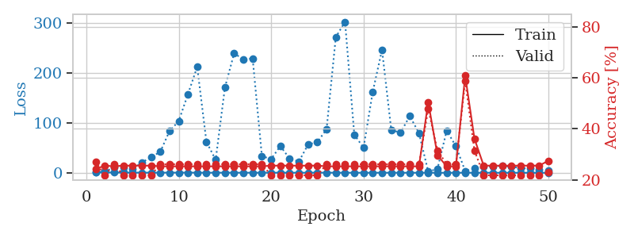
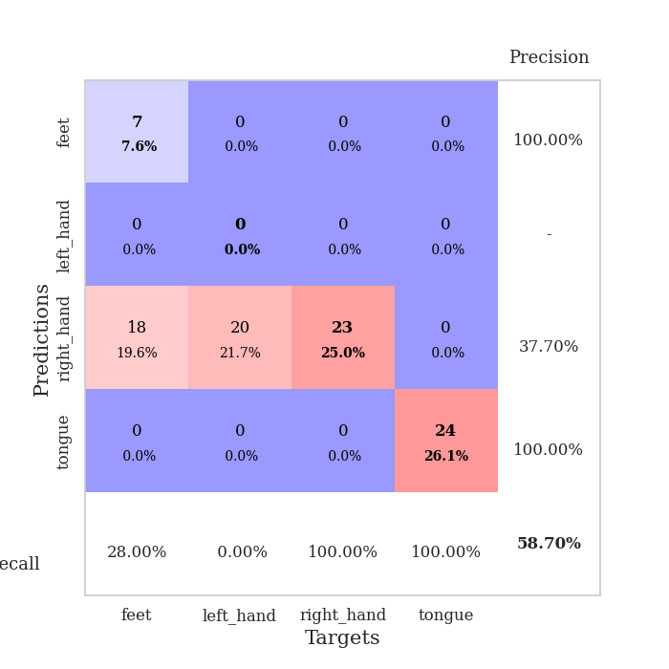
train_loss | valid_loss | train_accuracy | valid_accuracy | dur | train_misclass | valid_misclass
1.0242989556 | 1.4113547646 | 0.24184782609 | 0.27173913043 | 0.089153528214 | 24.184782609 | 27.173913043
0.67437364874 | 2.3426592143 | 0.25543478261 | 0.21739130435 | 0.087731122971 | 25.543478261 | 21.739130435
0.56393285031 | 10.558672449 | 0.2527173913 | 0.26086956522 | 0.087593317032 | 25.27173913 | 26.086956522
0.43970328958 | 10.105373009 | 0.25543478261 | 0.21739130435 | 0.087738752365 | 25.543478261 | 21.739130435
0.36458005821 | 7.6229444794 | 0.25543478261 | 0.21739130435 | 0.088021993637 | 25.543478261 | 21.739130435
0.23678757153 | 20.302961349 | 0.25543478261 | 0.21739130435 | 0.088054895401 | 25.543478261 | 21.739130435
0.19900201634 | 31.285547837 | 0.25543478261 | 0.21739130435 | 0.087993621826 | 25.543478261 | 21.739130435
0.20862083623 | 41.825663028 | 0.2527173913 | 0.26086956522 | 0.088070869446 | 25.27173913 | 26.086956522
0.28554111541 | 83.30804377 | 0.2527173913 | 0.26086956522 | 0.088130950928 | 25.27173913 | 26.086956522
0.2475111444 | 103.5304927 | 0.2527173913 | 0.26086956522 | 0.087768793106 | 25.27173913 | 26.086956522
0.35907419706 | 157.63746179 | 0.2527173913 | 0.26086956522 | 0.088322401047 | 25.27173913 | 26.086956522
0.17629799716 | 212.23840796 | 0.2527173913 | 0.26086956522 | 0.088232040405 | 25.27173913 | 26.086956522
0.095950022785 | 61.849659795 | 0.2527173913 | 0.26086956522 | 0.088123559952 | 25.27173913 | 26.086956522
0.18194680855 | 25.937917626 | 0.2527173913 | 0.26086956522 | 0.087921380997 | 25.27173913 | 26.086956522
0.12889217346 | 170.94196684 | 0.2527173913 | 0.26086956522 | 0.088083028793 | 25.27173913 | 26.086956522
0.13320201939 | 239.54147737 | 0.2527173913 | 0.26086956522 | 0.08788228035 | 25.27173913 | 26.086956522
0.091306719281 | 226.874318 | 0.2527173913 | 0.26086956522 | 0.088233709335 | 25.27173913 | 26.086956522
0.11446121647 | 229.11100437 | 0.2527173913 | 0.26086956522 | 0.088644504547 | 25.27173913 | 26.086956522
0.15066019403 | 33.353810103 | 0.2527173913 | 0.26086956522 | 0.088175535202 | 25.27173913 | 26.086956522
0.10569456252 | 27.400602258 | 0.25543478261 | 0.21739130435 | 0.088218927383 | 25.543478261 | 21.739130435
0.1931771376 | 53.496938125 | 0.25543478261 | 0.21739130435 | 0.088529348373 | 25.543478261 | 21.739130435
0.086150978165 | 28.324721046 | 0.25543478261 | 0.21739130435 | 0.088525056839 | 25.543478261 | 21.739130435
0.11570772205 | 22.341601911 | 0.25543478261 | 0.21739130435 | 0.088393688202 | 25.543478261 | 21.739130435
0.10704083929 | 56.598934671 | 0.25543478261 | 0.21739130435 | 0.088474750519 | 25.543478261 | 21.739130435
0.29830701135 | 61.422982921 | 0.25543478261 | 0.21739130435 | 0.088663339615 | 25.543478261 | 21.739130435
0.18238048741 | 87.179930645 | 0.2527173913 | 0.26086956522 | 0.088342666626 | 25.27173913 | 26.086956522
0.12504654744 | 272.03951098 | 0.2527173913 | 0.26086956522 | 0.088265419006 | 25.27173913 | 26.086956522
0.085159539306 | 302.48849753 | 0.2527173913 | 0.26086956522 | 0.088522195816 | 25.27173913 | 26.086956522
0.054922783484 | 76.365750852 | 0.2527173913 | 0.26086956522 | 0.088754892349 | 25.27173913 | 26.086956522
0.039540321323 | 50.108993364 | 0.2527173913 | 0.26086956522 | 0.088769435883 | 25.27173913 | 26.086956522
0.048492177018 | 162.38964446 | 0.2527173913 | 0.26086956522 | 0.088412761688 | 25.27173913 | 26.086956522
0.076856664159 | 246.4673913 | 0.2527173913 | 0.26086956522 | 0.088260173798 | 25.27173913 | 26.086956522
0.077130387011 | 85.994380453 | 0.2527173913 | 0.26086956522 | 0.088738441467 | 25.27173913 | 26.086956522
0.044537840006 | 80.14009426 | 0.2527173913 | 0.26086956522 | 0.088330745697 | 25.27173913 | 26.086956522
0.04257790227 | 113.63189929 | 0.2527173913 | 0.26086956522 | 0.088416576385 | 25.27173913 | 26.086956522
0.047388551635 | 79.612178637 | 0.2527173913 | 0.26086956522 | 0.088705539703 | 25.27173913 | 26.086956522
0.037603725517 | 2.227389771 | 0.50543478261 | 0.47826086957 | 0.088530540466 | 50.543478261 | 47.826086957
0.034435185523 | 7.7492784625 | 0.29619565217 | 0.3152173913 | 0.088398456573 | 29.619565217 | 31.52173913
0.04434650649 | 84.537195289 | 0.2527173913 | 0.26086956522 | 0.088404893875 | 25.27173913 | 26.086956522
0.048189384488 | 53.130310556 | 0.2527173913 | 0.26086956522 | 0.088578224182 | 25.27173913 | 26.086956522
0.046214127265 | 3.4505809597 | 0.60869565217 | 0.58695652174 | 0.088359117508 | 60.869565217 | 58.695652174
0.058760578218 | 8.6497520778 | 0.36141304348 | 0.3152173913 | 0.088220834732 | 36.141304348 | 31.52173913
0.033096187576 | 11.796858124 | 0.25543478261 | 0.21739130435 | 0.089093923569 | 25.543478261 | 21.739130435
0.029134591176 | 12.757988142 | 0.25543478261 | 0.21739130435 | 0.086930274963 | 25.543478261 | 21.739130435
0.029927456357 | 14.150987252 | 0.25543478261 | 0.21739130435 | 0.087032079697 | 25.543478261 | 21.739130435
0.019840005492 | 12.102624769 | 0.25543478261 | 0.21739130435 | 0.0868704319 | 25.543478261 | 21.739130435
0.040133422018 | 9.3634993097 | 0.25543478261 | 0.21739130435 | 0.087072372437 | 25.543478261 | 21.739130435
0.023788487898 | 8.4088344781 | 0.25543478261 | 0.21739130435 | 0.088474035263 | 25.543478261 | 21.739130435
0.031772446232 | 6.3861598347 | 0.25543478261 | 0.21739130435 | 0.087794780731 | 25.543478261 | 21.739130435
0.026584380944 | 4.3616663891 | 0.27445652174 | 0.22826086957 | 0.087507247925 | 27.445652174 | 22.826086957

Best Val accuracy is 0.5869565217391305 and Best test accuracy is 0.5431034482758621

Sheet3
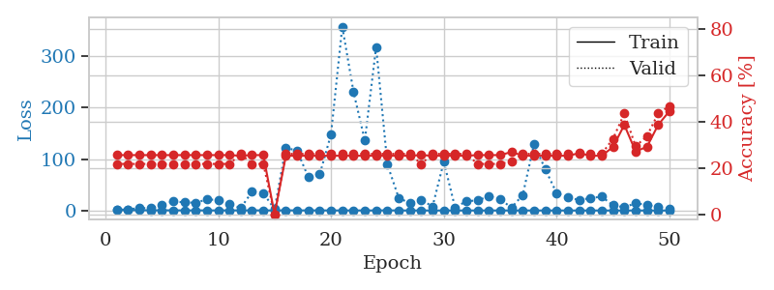
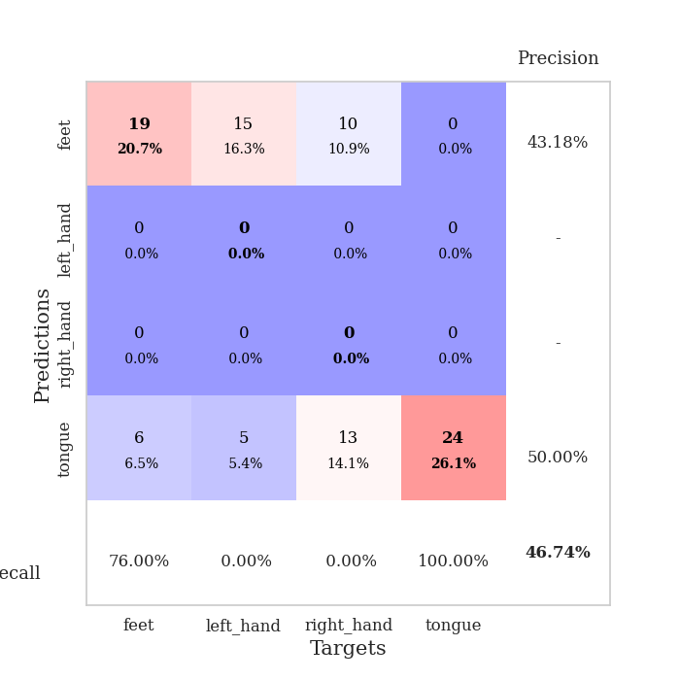
train_loss | valid_loss | train_accuracy | valid_accuracy | dur | train_misclass | valid_misclass
1.1998417611 | 1.6474948914 | 0.25543478261 | 0.21739130435 | 0.091071605682 | 25.543478261 | 21.739130435
0.77578851451 | 2.1183277109 | 0.25543478261 | 0.21739130435 | 0.089349746704 | 25.543478261 | 21.739130435
0.59791979323 | 4.7858670069 | 0.25543478261 | 0.21739130435 | 0.08550786972 | 25.543478261 | 21.739130435
0.41935337886 | 4.4430737703 | 0.25543478261 | 0.21739130435 | 0.085171699524 | 25.543478261 | 21.739130435
0.37791629136 | 10.052928178 | 0.25543478261 | 0.21739130435 | 0.084978342056 | 25.543478261 | 21.739130435
0.33822062741 | 18.13232115 | 0.25543478261 | 0.21739130435 | 0.085625648499 | 25.543478261 | 21.739130435
0.2161455514 | 15.607662989 | 0.25543478261 | 0.21739130435 | 0.085810422897 | 25.543478261 | 21.739130435
0.20444428921 | 15.153182279 | 0.25543478261 | 0.21739130435 | 0.085723876953 | 25.543478261 | 21.739130435
0.23935436344 | 21.317796707 | 0.25543478261 | 0.21739130435 | 0.085725545883 | 25.543478261 | 21.739130435
0.14965059495 | 20.600973129 | 0.25543478261 | 0.21739130435 | 0.085822105408 | 25.543478261 | 21.739130435
0.24698781238 | 12.409806086 | 0.25543478261 | 0.21739130435 | 0.086398363113 | 25.543478261 | 21.739130435
0.22339704552 | 4.7104120876 | 0.2527173913 | 0.26086956522 | 0.086309432983 | 25.27173913 | 26.086956522
0.27627293401 | 36.463136756 | 0.25543478261 | 0.21739130435 | 0.086420059204 | 25.543478261 | 21.739130435
0.22043102826 | 33.683964439 | 0.25543478261 | 0.21739130435 | 0.086409807205 | 25.543478261 | 21.739130435
0.20308117326 | 2.6023456636 | 0 | 0 | 0.086378574371 | 0 | 0
0.26316895061 | 122.34732421 | 0.2527173913 | 0.26086956522 | 0.086126089096 | 25.27173913 | 26.086956522
0.23402788782 | 115.70914924 | 0.2527173913 | 0.26086956522 | 0.086287975311 | 25.27173913 | 26.086956522
0.19184574355 | 64.484794948 | 0.2527173913 | 0.26086956522 | 0.085974216461 | 25.27173913 | 26.086956522
0.21333564097 | 70.091791236 | 0.2527173913 | 0.26086956522 | 0.086604595184 | 25.27173913 | 26.086956522
0.13205249575 | 147.82726321 | 0.2527173913 | 0.26086956522 | 0.086047649384 | 25.27173913 | 26.086956522
0.10432975035 | 357.36216537 | 0.2527173913 | 0.26086956522 | 0.086122989655 | 25.27173913 | 26.086956522
0.1542627958 | 229.87782553 | 0.2527173913 | 0.26086956522 | 0.086364984512 | 25.27173913 | 26.086956522
0.10377649382 | 136.07197173 | 0.2527173913 | 0.26086956522 | 0.086322069168 | 25.27173913 | 26.086956522
0.10829641468 | 317.81698608 | 0.2527173913 | 0.26086956522 | 0.086242675781 | 25.27173913 | 26.086956522
0.31083894177 | 89.286406476 | 0.2527173913 | 0.26086956522 | 0.086508989334 | 25.27173913 | 26.086956522
0.094103717245 | 24.679157423 | 0.2527173913 | 0.26086956522 | 0.086001396179 | 25.27173913 | 26.086956522
0.063811677407 | 13.781723479 | 0.2527173913 | 0.26086956522 | 0.086232662201 | 25.27173913 | 26.086956522
0.089394235052 | 21.011977735 | 0.25543478261 | 0.21739130435 | 0.086226940155 | 25.543478261 | 21.739130435
0.077984979153 | 7.5185091392 | 0.2527173913 | 0.26086956522 | 0.086270332336 | 25.27173913 | 26.086956522
0.058103666297 | 94.835488029 | 0.2527173913 | 0.26086956522 | 0.086512804031 | 25.27173913 | 26.086956522
0.069523095761 | 5.5848210998 | 0.2527173913 | 0.26086956522 | 0.087784767151 | 25.27173913 | 26.086956522
0.047788593518 | 18.173032429 | 0.2527173913 | 0.26086956522 | 0.08624958992 | 25.27173913 | 26.086956522
0.067267238112 | 19.460845035 | 0.25543478261 | 0.21739130435 | 0.086328744888 | 25.543478261 | 21.739130435
0.061886900874 | 27.738229171 | 0.25543478261 | 0.21739130435 | 0.086678743362 | 25.543478261 | 21.739130435
0.11294779074 | 21.979126557 | 0.25543478261 | 0.21739130435 | 0.086430072784 | 25.543478261 | 21.739130435
0.099587364937 | 5.4754873359 | 0.26902173913 | 0.22826086957 | 0.08642411232 | 26.902173913 | 22.826086957
0.078741917275 | 30.244185655 | 0.2527173913 | 0.26086956522 | 0.086404800415 | 25.27173913 | 26.086956522
0.047610338099 | 129.49656943 | 0.2527173913 | 0.26086956522 | 0.086504220963 | 25.27173913 | 26.086956522
0.041635769784 | 79.738970549 | 0.2527173913 | 0.26086956522 | 0.086506843567 | 25.27173913 | 26.086956522
0.077232877046 | 33.997451948 | 0.2527173913 | 0.26086956522 | 0.086786270142 | 25.27173913 | 26.086956522
0.039566067857 | 25.305319745 | 0.2527173913 | 0.26086956522 | 0.086061477661 | 25.27173913 | 26.086956522
0.018292472617 | 20.468773635 | 0.26358695652 | 0.26086956522 | 0.086490869522 | 26.358695652 | 26.086956522
0.03051217034 | 24.052507235 | 0.2527173913 | 0.26086956522 | 0.086297512054 | 25.27173913 | 26.086956522
0.025279459159 | 26.927756849 | 0.2527173913 | 0.26086956522 | 0.086374282837 | 25.27173913 | 26.086956522
0.028432802874 | 9.9204098245 | 0.29076086957 | 0.32608695652 | 0.086411237717 | 29.076086957 | 32.608695652
0.044877888321 | 6.1855345187 | 0.38586956522 | 0.4347826087 | 0.086695194244 | 38.586956522 | 43.47826087
0.039229853848 | 14.218384079 | 0.27173913043 | 0.29347826087 | 0.086646318436 | 27.173913043 | 29.347826087
0.03361007554 | 10.713697516 | 0.29076086957 | 0.33695652174 | 0.086121082306 | 29.076086957 | 33.695652174
0.028461383076 | 6.5700242208 | 0.38586956522 | 0.4347826087 | 0.086285114288 | 38.586956522 | 43.47826087
0.049302317399 | 3.6061874473 | 0.44565217391 | 0.46739130435 | 0.086299419403 | 44.565217391 | 46.739130435

Best Val accuracy is 0.4673913043478261 and Best test accuracy is 0.43103448275862066

Sheet4
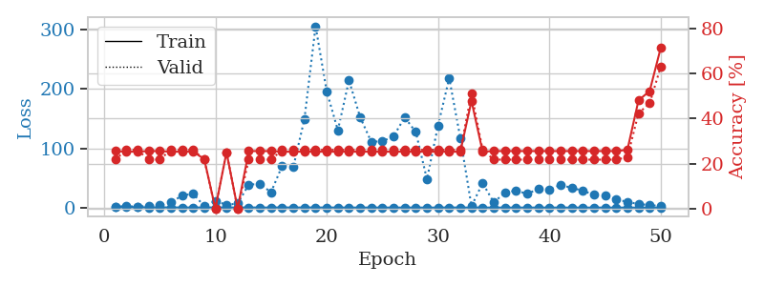
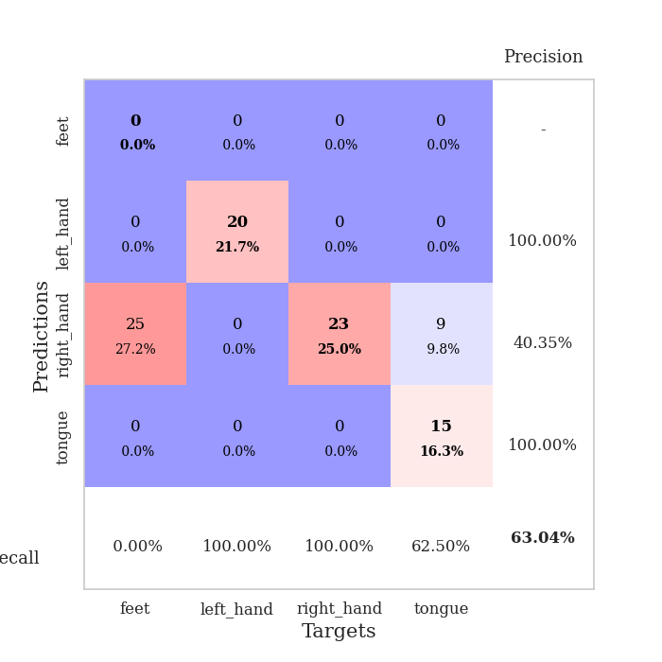
train_loss | valid_loss | train_accuracy | valid_accuracy | dur | train_misclass | valid_misclass
1.033962781 | 1.5744048875 | 0.25543478261 | 0.21739130435 | 0.088738203049 | 25.543478261 | 21.739130435
0.70670463857 | 2.500133079 | 0.2527173913 | 0.26086956522 | 0.085598230362 | 25.27173913 | 26.086956522
0.63453214713 | 1.5696806027 | 0.2527173913 | 0.26086956522 | 0.086016654968 | 25.27173913 | 26.086956522
0.37008633691 | 3.096995986 | 0.25543478261 | 0.21739130435 | 0.085322380066 | 25.543478261 | 21.739130435
0.32559639701 | 3.7654314456 | 0.25543478261 | 0.21739130435 | 0.085147619247 | 25.543478261 | 21.739130435
0.31685949635 | 8.7508583069 | 0.2527173913 | 0.26086956522 | 0.085673809052 | 25.27173913 | 26.086956522
0.19423083216 | 20.099153933 | 0.2527173913 | 0.26086956522 | 0.085948228836 | 25.27173913 | 26.086956522
0.1948754636 | 23.653234979 | 0.2527173913 | 0.26086956522 | 0.086139917374 | 25.27173913 | 26.086956522
0.1907611073 | 2.4350190266 | 0.22010869565 | 0.21739130435 | 0.086180210114 | 22.010869565 | 21.739130435
0.28348869085 | 11.354991706 | 0 | 0 | 0.086072206497 | 0 | 0
0.24232439195 | 4.5399273375 | 0.25 | 0.25 | 0.086121082306 | 25 | 25
0.15588638826 | 6.898443305 | 0 | 0 | 0.086031198502 | 0 | 0
0.28059909311 | 38.747209466 | 0.25543478261 | 0.21739130435 | 0.085918426514 | 25.543478261 | 21.739130435
0.13392309367 | 39.937773663 | 0.25543478261 | 0.21739130435 | 0.086019277573 | 25.543478261 | 21.739130435
0.13304395362 | 25.855018533 | 0.25543478261 | 0.21739130435 | 0.086083173752 | 25.543478261 | 21.739130435
0.32768336736 | 70.65334121 | 0.2527173913 | 0.26086956522 | 0.086398124695 | 25.27173913 | 26.086956522
0.11355764314 | 68.455309992 | 0.2527173913 | 0.26086956522 | 0.086204767227 | 25.27173913 | 26.086956522
0.21276341751 | 149.62483746 | 0.2527173913 | 0.26086956522 | 0.086520671844 | 25.27173913 | 26.086956522
0.19173543815 | 306.06436157 | 0.2527173913 | 0.26086956522 | 0.086530208588 | 25.27173913 | 26.086956522
0.14461755939 | 196.16376462 | 0.2527173913 | 0.26086956522 | 0.086304664612 | 25.27173913 | 26.086956522
0.15072855799 | 130.451897 | 0.2527173913 | 0.26086956522 | 0.086557149887 | 25.27173913 | 26.086956522
0.0882704491 | 214.76932891 | 0.2527173913 | 0.26086956522 | 0.086412191391 | 25.27173913 | 26.086956522
0.10781144201 | 152.61105081 | 0.2527173913 | 0.26086956522 | 0.086592674255 | 25.27173913 | 26.086956522
0.11294873055 | 111.05230846 | 0.2527173913 | 0.26086956522 | 0.086324214935 | 25.27173913 | 26.086956522
0.056407463939 | 111.95245594 | 0.2527173913 | 0.26086956522 | 0.086486339569 | 25.27173913 | 26.086956522
0.10535605068 | 120.21899281 | 0.2527173913 | 0.26086956522 | 0.08643078804 | 25.27173913 | 26.086956522
0.056349733885 | 152.28994817 | 0.2527173913 | 0.26086956522 | 0.086168527603 | 25.27173913 | 26.086956522
0.063926352846 | 127.60855368 | 0.2527173913 | 0.26086956522 | 0.086348056793 | 25.27173913 | 26.086956522
0.055527068523 | 47.927868885 | 0.2527173913 | 0.26086956522 | 0.086395740509 | 25.27173913 | 26.086956522
0.081581102907 | 138.66832302 | 0.2527173913 | 0.26086956522 | 0.086292982101 | 25.27173913 | 26.086956522
0.26200959234 | 218.49545487 | 0.2527173913 | 0.26086956522 | 0.086426258087 | 25.27173913 | 26.086956522
0.078549599761 | 117.31249735 | 0.2527173913 | 0.26086956522 | 0.086343050003 | 25.27173913 | 26.086956522
0.17184357173 | 2.3778531759 | 0.47826086957 | 0.51086956522 | 0.086396932602 | 47.826086957 | 51.086956522
0.10116794836 | 41.288492452 | 0.2527173913 | 0.26086956522 | 0.086734294891 | 25.27173913 | 26.086956522
0.065580491756 | 8.8776300264 | 0.25543478261 | 0.21739130435 | 0.086389780045 | 25.543478261 | 21.739130435
0.059550156361 | 25.089227759 | 0.25543478261 | 0.21739130435 | 0.086777687073 | 25.543478261 | 21.739130435
0.03932220094 | 28.891348714 | 0.25543478261 | 0.21739130435 | 0.086356639862 | 25.543478261 | 21.739130435
0.092286414517 | 23.001221947 | 0.25543478261 | 0.21739130435 | 0.086316585541 | 25.543478261 | 21.739130435
0.072755055502 | 31.658737514 | 0.25543478261 | 0.21739130435 | 0.086236953735 | 25.543478261 | 21.739130435
0.063075044091 | 30.541570912 | 0.25543478261 | 0.21739130435 | 0.086419582367 | 25.543478261 | 21.739130435
0.081137273516 | 38.234888491 | 0.25543478261 | 0.21739130435 | 0.086284637451 | 25.543478261 | 21.739130435
0.04527299506 | 33.209855287 | 0.25543478261 | 0.21739130435 | 0.086407661438 | 25.543478261 | 21.739130435
0.023576928095 | 28.545899681 | 0.25543478261 | 0.21739130435 | 0.086520910263 | 25.543478261 | 21.739130435
0.059568618784 | 21.495767759 | 0.25543478261 | 0.21739130435 | 0.086416959763 | 25.543478261 | 21.739130435
0.059221516687 | 19.89627664 | 0.25543478261 | 0.21739130435 | 0.086401939392 | 25.543478261 | 21.739130435
0.040357103359 | 14.099826937 | 0.25543478261 | 0.21739130435 | 0.086467027664 | 25.543478261 | 21.739130435
0.052742139619 | 9.462154347 | 0.26086956522 | 0.22826086957 | 0.086607933044 | 26.086956522 | 22.826086957
0.033282981629 | 6.0658283234 | 0.48097826087 | 0.42391304348 | 0.086387395859 | 48.097826087 | 42.391304348
0.054114649487 | 4.1664047345 | 0.52173913043 | 0.46739130435 | 0.086446046829 | 52.173913043 | 46.739130435
0.038549205481 | 2.6294659739 | 0.71467391304 | 0.63043478261 | 0.086427688599 | 71.467391304 | 63.043478261

Best Val accuracy is 0.6304347826086957 and Best test accuracy is 0.603448275862069

Sheet5
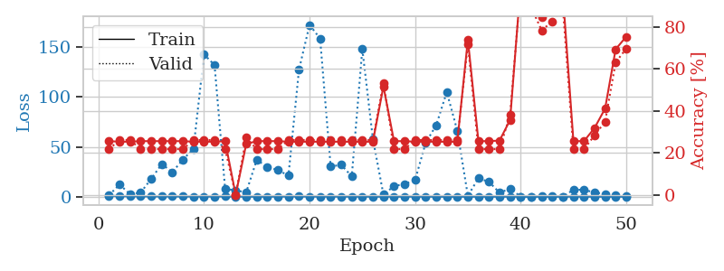
train_loss | valid_loss | train_accuracy | valid_accuracy | dur | train_misclass | valid_misclass
1.0642285813 | 1.5950837809 | 0.25543478261 | 0.21739130435 | 0.086439847946 | 25.543478261 | 21.739130435
0.5689315148 | 12.175824912 | 0.2527173913 | 0.26086956522 | 0.085741043091 | 25.27173913 | 26.086956522
0.52989641674 | 2.5947806006 | 0.2527173913 | 0.26086956522 | 0.085206747055 | 25.27173913 | 26.086956522
0.47254867981 | 4.19976307 | 0.25543478261 | 0.21739130435 | 0.085260629654 | 25.543478261 | 21.739130435
0.30159072384 | 17.908170534 | 0.25543478261 | 0.21739130435 | 0.085479259491 | 25.543478261 | 21.739130435
0.31325090644 | 32.786056353 | 0.25543478261 | 0.21739130435 | 0.086972475052 | 25.543478261 | 21.739130435
0.26922834794 | 24.674416003 | 0.25543478261 | 0.21739130435 | 0.086270332336 | 25.543478261 | 21.739130435
0.25531727043 | 37.293117191 | 0.25543478261 | 0.21739130435 | 0.086019039154 | 25.543478261 | 21.739130435
0.23122641185 | 48.000899605 | 0.2527173913 | 0.26086956522 | 0.086725473404 | 25.27173913 | 26.086956522
0.14705987923 | 142.6683887 | 0.2527173913 | 0.26086956522 | 0.087017297745 | 25.27173913 | 26.086956522
0.21430035081 | 132.09502643 | 0.2527173913 | 0.26086956522 | 0.087413549423 | 25.27173913 | 26.086956522
0.31393032586 | 7.862847494 | 0.25543478261 | 0.21739130435 | 0.087338209152 | 25.543478261 | 21.739130435
0.15512533421 | 6.3406890579 | 0 | 0 | 0.087238073349 | 0 | 0
0.11271547567 | 4.4642366119 | 0.24184782609 | 0.27173913043 | 0.087949514389 | 24.184782609 | 27.173913043
0.060907658696 | 37.033460037 | 0.25543478261 | 0.21739130435 | 0.087559461594 | 25.543478261 | 21.739130435
0.16550930379 | 29.816734397 | 0.25543478261 | 0.21739130435 | 0.087324619293 | 25.543478261 | 21.739130435
0.12789664511 | 26.826668698 | 0.25543478261 | 0.21739130435 | 0.087257146835 | 25.543478261 | 21.739130435
0.23351219778 | 21.131765531 | 0.2527173913 | 0.26086956522 | 0.086789369583 | 25.27173913 | 26.086956522
0.2582287311 | 127.44348841 | 0.2527173913 | 0.26086956522 | 0.087071180344 | 25.27173913 | 26.086956522
0.18521663109 | 172.33171679 | 0.2527173913 | 0.26086956522 | 0.087210416794 | 25.27173913 | 26.086956522
0.14404878219 | 158.60418436 | 0.2527173913 | 0.26086956522 | 0.086833000183 | 25.27173913 | 26.086956522
0.1794658085 | 30.31360734 | 0.2527173913 | 0.26086956522 | 0.087195634842 | 25.27173913 | 26.086956522
0.12678178805 | 31.973287582 | 0.2527173913 | 0.26086956522 | 0.087220430374 | 25.27173913 | 26.086956522
0.11778012853 | 20.436594922 | 0.2527173913 | 0.26086956522 | 0.087266683578 | 25.27173913 | 26.086956522
0.15928114902 | 148.09743069 | 0.2527173913 | 0.26086956522 | 0.087341547012 | 25.27173913 | 26.086956522
0.092540073532 | 58.039800893 | 0.2527173913 | 0.26086956522 | 0.087632417679 | 25.27173913 | 26.086956522
0.091587999491 | 2.1017170937 | 0.51630434783 | 0.53260869565 | 0.087615966797 | 51.630434783 | 53.260869565
0.10739710155 | 10.65670001 | 0.25543478261 | 0.21739130435 | 0.087830305099 | 25.543478261 | 21.739130435
0.075486267026 | 12.752610787 | 0.25543478261 | 0.21739130435 | 0.087201118469 | 25.543478261 | 21.739130435
0.12265506972 | 16.686483549 | 0.2527173913 | 0.26086956522 | 0.087495803833 | 25.27173913 | 26.086956522
0.066965321848 | 53.987378991 | 0.2527173913 | 0.26086956522 | 0.087400436401 | 25.27173913 | 26.086956522
0.091625158047 | 71.686458422 | 0.2527173913 | 0.26086956522 | 0.087338209152 | 25.27173913 | 26.086956522
0.042239847451 | 104.99091903 | 0.2527173913 | 0.26086956522 | 0.087512731552 | 25.27173913 | 26.086956522
0.051136138687 | 66.108188795 | 0.2527173913 | 0.26086956522 | 0.087002515793 | 25.27173913 | 26.086956522
0.055979093091 | 0.92164509193 | 0.73913043478 | 0.71739130435 | 0.087559938431 | 73.913043478 | 71.739130435
0.048804201834 | 18.530214227 | 0.25543478261 | 0.21739130435 | 0.087439775467 | 25.543478261 | 21.739130435
0.071978519104 | 14.915930748 | 0.25543478261 | 0.21739130435 | 0.087469577789 | 25.543478261 | 21.739130435
0.053791380376 | 4.0417910037 | 0.25815217391 | 0.21739130435 | 0.087031841278 | 25.815217391 | 21.739130435
0.064994590134 | 8.0554508126 | 0.35597826087 | 0.38043478261 | 0.087317943573 | 35.597826087 | 38.043478261
0.049146669355 | 0.064965069982 | 1 | 0.98913043478 | 0.087385177612 | 100 | 98.913043478
0.049604432313 | 0.22840970431 | 0.90760869565 | 0.89130434783 | 0.087509870529 | 90.760869565 | 89.130434783
0.06228357927 | 0.56629375401 | 0.84782608696 | 0.78260869565 | 0.089836359024 | 84.782608696 | 78.260869565
0.049211388899 | 0.3954178043 | 0.875 | 0.82608695652 | 0.087601661682 | 87.5 | 82.608695652
0.088970175215 | 0.23982465947 | 0.95380434783 | 0.89130434783 | 0.088596343994 | 95.380434783 | 89.130434783
0.1781023218 | 6.9007330977 | 0.25543478261 | 0.21739130435 | 0.087228059769 | 25.543478261 | 21.739130435
0.076568202359 | 7.0417464712 | 0.25543478261 | 0.21739130435 | 0.087362766266 | 25.543478261 | 21.739130435
0.038895820531 | 4.1830277547 | 0.31793478261 | 0.28260869565 | 0.087608575821 | 31.793478261 | 28.260869565
0.040649528888 | 2.9134340701 | 0.41032608696 | 0.34782608696 | 0.087393283844 | 41.032608696 | 34.782608696
0.042069965275 | 1.7661339926 | 0.69293478261 | 0.63043478261 | 0.087237596512 | 69.293478261 | 63.043478261
0.062830929503 | 1.0391682905 | 0.7527173913 | 0.69565217391 | 0.0925116539 | 75.27173913 | 69.565217391

Best Val accuracy is 0.9891304347826086 and Best test accuracy is 0.9827586206896551

Sheet6
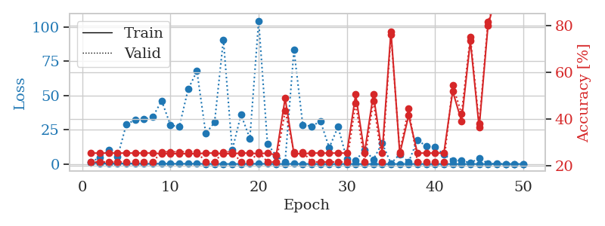
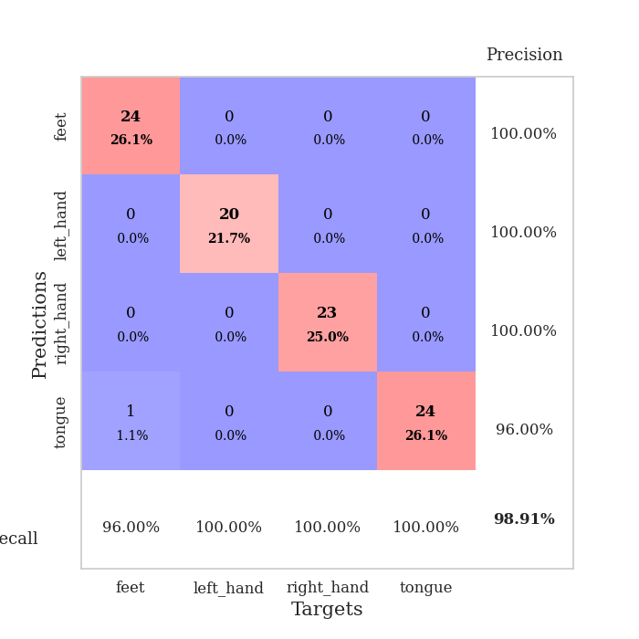
train_loss | valid_loss | train_accuracy | valid_accuracy | dur | train_misclass | valid_misclass
0.93591256893 | 1.7777917126 | 0.25543478261 | 0.21739130435 | 0.086977005005 | 25.543478261 | 21.739130435
0.49475685539 | 4.560779302 | 0.25543478261 | 0.21739130435 | 0.085994005203 | 25.543478261 | 21.739130435
0.37860949629 | 10.264750564 | 0.25543478261 | 0.21739130435 | 0.085928678513 | 25.543478261 | 21.739130435
0.37076575309 | 5.2727553533 | 0.25543478261 | 0.21739130435 | 0.086742162704 | 25.543478261 | 21.739130435
0.40251579978 | 28.995606713 | 0.25543478261 | 0.21739130435 | 0.086460590363 | 25.543478261 | 21.739130435
0.37478477022 | 32.178036068 | 0.25543478261 | 0.21739130435 | 0.086463928223 | 25.543478261 | 21.739130435
0.23239584972 | 32.597417417 | 0.25543478261 | 0.21739130435 | 0.08652639389 | 25.543478261 | 21.739130435
0.24356284802 | 34.389928901 | 0.25543478261 | 0.21739130435 | 0.086682796478 | 25.543478261 | 21.739130435
0.3288573055 | 46.199424246 | 0.2527173913 | 0.26086956522 | 0.086561441422 | 25.27173913 | 26.086956522
0.22923737667 | 28.320394433 | 0.2527173913 | 0.26086956522 | 0.086832523346 | 25.27173913 | 26.086956522
0.21398128585 | 27.174383495 | 0.2527173913 | 0.26086956522 | 0.086404323578 | 25.27173913 | 26.086956522
0.22575158593 | 54.527911642 | 0.2527173913 | 0.26086956522 | 0.086638450623 | 25.27173913 | 26.086956522
0.25502147153 | 67.716630687 | 0.2527173913 | 0.26086956522 | 0.086543083191 | 25.27173913 | 26.086956522
0.13861629124 | 22.318178509 | 0.25543478261 | 0.21739130435 | 0.086371421814 | 25.543478261 | 21.739130435
0.13926634751 | 30.359281042 | 0.25543478261 | 0.21739130435 | 0.086735725403 | 25.543478261 | 21.739130435
0.11733063958 | 90.661632704 | 0.2527173913 | 0.26086956522 | 0.086885452271 | 25.27173913 | 26.086956522
0.082953344605 | 10.214086242 | 0.2527173913 | 0.26086956522 | 0.086438179016 | 25.27173913 | 26.086956522
0.076886514364 | 35.965928948 | 0.25543478261 | 0.21739130435 | 0.086724042892 | 25.543478261 | 21.739130435
0.17931027844 | 18.68895597 | 0.25543478261 | 0.21739130435 | 0.086531639099 | 25.543478261 | 21.739130435
0.20186440962 | 104.47569109 | 0.2527173913 | 0.26086956522 | 0.086793899536 | 25.27173913 | 26.086956522
0.16937800969 | 14.702455065 | 0.25543478261 | 0.21739130435 | 0.086911201477 | 25.543478261 | 21.739130435
0.094872099064 | 5.8976316245 | 0.2472826087 | 0.21739130435 | 0.088795900345 | 24.72826087 | 21.739130435
0.062318509688 | 1.5784117916 | 0.48913043478 | 0.4347826087 | 0.086676359177 | 48.913043478 | 43.47826087
0.16384068553 | 83.16783905 | 0.2527173913 | 0.26086956522 | 0.087218761444 | 25.27173913 | 26.086956522
0.10855971815 | 28.687725896 | 0.2527173913 | 0.26086956522 | 0.087584018707 | 25.27173913 | 26.086956522
0.098422389781 | 27.454534862 | 0.25543478261 | 0.21739130435 | 0.087268352509 | 25.543478261 | 21.739130435
0.05521852272 | 31.276046587 | 0.25543478261 | 0.21739130435 | 0.086218357086 | 25.543478261 | 21.739130435
0.039628282746 | 11.912473471 | 0.25543478261 | 0.21739130435 | 0.086295843124 | 25.543478261 | 21.739130435
0.054931521183 | 27.149821157 | 0.25543478261 | 0.21739130435 | 0.086498498917 | 25.543478261 | 21.739130435
0.10441603321 | 3.4842883919 | 0.25543478261 | 0.21739130435 | 0.086752176285 | 25.543478261 | 21.739130435
0.053940915604 | 2.4616222693 | 0.50543478261 | 0.46739130435 | 0.086053609848 | 50.543478261 | 46.739130435
0.051171412702 | 10.479978686 | 0.25543478261 | 0.21739130435 | 0.086220264435 | 25.543478261 | 21.739130435
0.022847685042 | 3.3444320845 | 0.50543478261 | 0.47826086957 | 0.086506843567 | 50.543478261 | 47.826086957
0.033574422391 | 15.210331834 | 0.25543478261 | 0.21739130435 | 0.086740255356 | 25.543478261 | 21.739130435
0.027811275147 | 0.40456392065 | 0.77445652174 | 0.76086956522 | 0.086147785187 | 77.445652174 | 76.086956522
0.096325561343 | 7.2266901887 | 0.2527173913 | 0.26086956522 | 0.086834907532 | 25.27173913 | 26.086956522
0.048133517861 | 1.435552426 | 0.41576086957 | 0.44565217391 | 0.086679935455 | 41.576086957 | 44.565217391
0.11711327336 | 17.532116019 | 0.25543478261 | 0.21739130435 | 0.086687803268 | 25.543478261 | 21.739130435
0.040388937812 | 12.989473965 | 0.25543478261 | 0.21739130435 | 0.086221933365 | 25.543478261 | 21.739130435
0.051758435322 | 12.402540456 | 0.25543478261 | 0.21739130435 | 0.086350679398 | 25.543478261 | 21.739130435
0.043149570932 | 6.8960973284 | 0.25543478261 | 0.21739130435 | 0.08642911911 | 25.543478261 | 21.739130435
0.063706586284 | 2.6419173013 | 0.51902173913 | 0.54347826087 | 0.086740493774 | 51.902173913 | 54.347826087
0.053332551684 | 2.6181471866 | 0.39130434783 | 0.42391304348 | 0.086292028427 | 39.130434783 | 42.391304348
0.059013624832 | 0.73023765761 | 0.73369565217 | 0.75 | 0.08637547493 | 73.369565217 | 75
0.03038564168 | 4.3246921249 | 0.36413043478 | 0.38043478261 | 0.08632349968 | 36.413043478 | 38.043478261
0.021652250515 | 0.44966914732 | 0.79891304348 | 0.8152173913 | 0.086115121841 | 79.891304348 | 81.52173913
0.012962958953 | 0.19681686616 | 0.9375 | 0.92391304348 | 0.086730241776 | 93.75 | 92.391304348
0.067282207558 | 0.062694479023 | 0.99456521739 | 0.98913043478 | 0.087093353271 | 99.456521739 | 98.913043478
0.048924256521 | 0.042263087128 | 0.9972826087 | 0.98913043478 | 0.086153030396 | 99.72826087 | 98.913043478
0.041980459572 | 0.034912217874 | 1 | 0.98913043478 | 0.086236715317 | 100 | 98.913043478

Best Val accuracy is 0.9891304347826086 and Best test accuracy is 0.9913793103448276

Sheet7
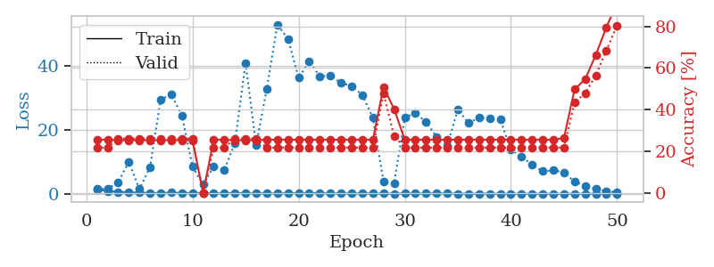
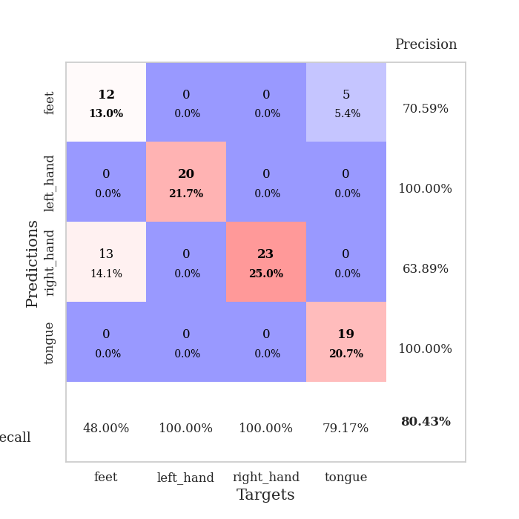
train_loss | valid_loss | train_accuracy | valid_accuracy | dur | train_misclass | valid_misclass
1.2980785551 | 1.5788533636 | 0.25543478261 | 0.21739130435 | 0.087556600571 | 25.543478261 | 21.739130435
0.91032303157 | 1.5504926236 | 0.25543478261 | 0.21739130435 | 0.086619615555 | 25.543478261 | 21.739130435
0.63695881159 | 3.6343836577 | 0.2527173913 | 0.26086956522 | 0.086179256439 | 25.27173913 | 26.086956522
0.47724693819 | 9.9877294043 | 0.2527173913 | 0.26086956522 | 0.086697816849 | 25.27173913 | 26.086956522
0.40337170855 | 1.5180361323 | 0.2527173913 | 0.26086956522 | 0.086140394211 | 25.27173913 | 26.086956522
0.29671773606 | 8.2557159092 | 0.2527173913 | 0.26086956522 | 0.086502313614 | 25.27173913 | 26.086956522
0.25667220386 | 29.39373771 | 0.2527173913 | 0.26086956522 | 0.086298465729 | 25.27173913 | 26.086956522
0.40749610539 | 31.014742561 | 0.2527173913 | 0.26086956522 | 0.08552980423 | 25.27173913 | 26.086956522
0.26691129545 | 24.507555423 | 0.2527173913 | 0.26086956522 | 0.08580994606 | 25.27173913 | 26.086956522
0.26866830173 | 8.510851321 | 0.2527173913 | 0.26086956522 | 0.086047649384 | 25.27173913 | 26.086956522
0.29111905396 | 2.9170182995 | 0 | 0 | 0.086732149124 | 0 | 0
0.1676703698 | 8.5788325849 | 0.25543478261 | 0.21739130435 | 0.089687347412 | 25.543478261 | 21.739130435
0.12261078717 | 7.4441249889 | 0.25543478261 | 0.21739130435 | 0.087801933289 | 25.543478261 | 21.739130435
0.30055062493 | 15.90937573 | 0.2527173913 | 0.26086956522 | 0.086867332458 | 25.27173913 | 26.086956522
0.16693324758 | 40.811265531 | 0.2527173913 | 0.26086956522 | 0.087183713913 | 25.27173913 | 26.086956522
0.14012241493 | 15.215541508 | 0.2527173913 | 0.26086956522 | 0.087288379669 | 25.27173913 | 26.086956522
0.1484151481 | 32.824225384 | 0.25543478261 | 0.21739130435 | 0.087153911591 | 25.543478261 | 21.739130435
0.12417849846 | 52.856719805 | 0.25543478261 | 0.21739130435 | 0.087204933167 | 25.543478261 | 21.739130435
0.20182936663 | 48.332611747 | 0.25543478261 | 0.21739130435 | 0.087039232254 | 25.543478261 | 21.739130435
0.1780070537 | 36.205843884 | 0.25543478261 | 0.21739130435 | 0.087005853653 | 25.543478261 | 21.739130435
0.20460143471 | 41.299514273 | 0.25543478261 | 0.21739130435 | 0.086837291718 | 25.543478261 | 21.739130435
0.27847405434 | 36.724848042 | 0.25543478261 | 0.21739130435 | 0.087215185165 | 25.543478261 | 21.739130435
0.098345167611 | 36.890885229 | 0.25543478261 | 0.21739130435 | 0.086977481842 | 25.543478261 | 21.739130435
0.15955833208 | 34.579033396 | 0.25543478261 | 0.21739130435 | 0.087212324142 | 25.543478261 | 21.739130435
0.096691483308 | 33.694994387 | 0.25543478261 | 0.21739130435 | 0.086966991425 | 25.543478261 | 21.739130435
0.17870223498 | 30.8238299 | 0.25543478261 | 0.21739130435 | 0.087074756622 | 25.543478261 | 21.739130435
0.10255226849 | 23.760098748 | 0.25543478261 | 0.21739130435 | 0.087263822556 | 25.543478261 | 21.739130435
0.098472097119 | 3.8405179874 | 0.50815217391 | 0.47826086957 | 0.086945533752 | 50.815217391 | 47.826086957
0.061822864834 | 3.3515922194 | 0.40217391304 | 0.27173913043 | 0.086992263794 | 40.217391304 | 27.173913043
0.12887881919 | 23.77201014 | 0.25543478261 | 0.21739130435 | 0.087404727936 | 25.543478261 | 21.739130435
0.095697252181 | 25.304694051 | 0.25543478261 | 0.21739130435 | 0.08690071106 | 25.543478261 | 21.739130435
0.098702574878 | 22.385957718 | 0.25543478261 | 0.21739130435 | 0.086872577667 | 25.543478261 | 21.739130435
0.18802323051 | 17.842202311 | 0.25543478261 | 0.21739130435 | 0.086913585663 | 25.543478261 | 21.739130435
0.094751666017 | 15.076483146 | 0.25543478261 | 0.21739130435 | 0.087144136429 | 25.543478261 | 21.739130435
0.091426097282 | 26.313736211 | 0.25543478261 | 0.21739130435 | 0.087257623672 | 25.543478261 | 21.739130435
0.056107630245 | 22.139676384 | 0.25543478261 | 0.21739130435 | 0.087149381638 | 25.543478261 | 21.739130435
0.07408804571 | 23.715961622 | 0.25543478261 | 0.21739130435 | 0.087263822556 | 25.543478261 | 21.739130435
0.090944168765 | 23.475496956 | 0.25543478261 | 0.21739130435 | 0.087167739868 | 25.543478261 | 21.739130435
0.050836597812 | 23.193259281 | 0.25543478261 | 0.21739130435 | 0.086958169937 | 25.543478261 | 21.739130435
0.049711468913 | 13.712954936 | 0.25543478261 | 0.21739130435 | 0.087031364441 | 25.543478261 | 21.739130435
0.035740903801 | 11.635473666 | 0.25543478261 | 0.21739130435 | 0.087067842484 | 25.543478261 | 21.739130435
0.056574349332 | 9.0851042789 | 0.25543478261 | 0.21739130435 | 0.087035894394 | 25.543478261 | 21.739130435
0.044203191004 | 7.0485304957 | 0.25543478261 | 0.21739130435 | 0.087150335312 | 25.543478261 | 21.739130435
0.039662605961 | 7.3429178362 | 0.25543478261 | 0.21739130435 | 0.087033748627 | 25.543478261 | 21.739130435
0.035159012024 | 6.7066947481 | 0.26358695652 | 0.21739130435 | 0.087083339691 | 26.358695652 | 21.739130435
0.034218427634 | 3.7863169546 | 0.4972826087 | 0.4347826087 | 0.087103128433 | 49.72826087 | 43.47826087
0.025327372496 | 2.5378796277 | 0.54619565217 | 0.47826086957 | 0.087213754654 | 54.619565217 | 47.826086957
0.040075609744 | 1.4968411663 | 0.66304347826 | 0.5652173913 | 0.086930036545 | 66.304347826 | 56.52173913
0.058023783085 | 0.84896257908 | 0.79619565217 | 0.6847826087 | 0.087584972382 | 79.619565217 | 68.47826087
0.044665721913 | 0.52124904874 | 0.91304347826 | 0.80434782609 | 0.087549686432 | 91.304347826 | 80.434782609

Best Val accuracy is 0.8043478260869565 and Best test accuracy is 0.7758620689655172

Sheet8
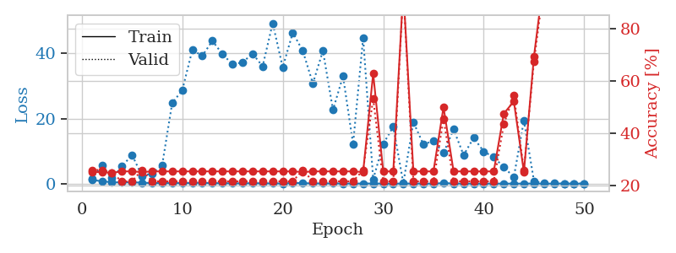
train_loss | valid_loss | train_accuracy | valid_accuracy | dur | train_misclass | valid_misclass
1.1489023463 | 1.4010675316 | 0.2527173913 | 0.26086956522 | 0.087326049805 | 25.27173913 | 26.086956522
0.75045911126 | 5.6878688854 | 0.2527173913 | 0.26086956522 | 0.093596458435 | 25.27173913 | 26.086956522
0.44037302357 | 1.6837235689 | 0.25 | 0.25 | 0.091161251068 | 25 | 25
0.3785468936 | 5.2611045215 | 0.25543478261 | 0.21739130435 | 0.08763718605 | 25.543478261 | 21.739130435
0.44744315679 | 8.8621049964 | 0.25543478261 | 0.21739130435 | 0.087524652481 | 25.543478261 | 21.739130435
0.30094632182 | 2.3679283702 | 0.2527173913 | 0.26086956522 | 0.087634563446 | 25.27173913 | 26.086956522
0.19157797924 | 3.1571485271 | 0.25543478261 | 0.21739130435 | 0.087895393372 | 25.543478261 | 21.739130435
0.19859789684 | 5.6733132238 | 0.25543478261 | 0.21739130435 | 0.088244915009 | 25.543478261 | 21.739130435
0.18286862637 | 24.771218673 | 0.25543478261 | 0.21739130435 | 0.088757991791 | 25.543478261 | 21.739130435
0.20224563988 | 28.640595478 | 0.25543478261 | 0.21739130435 | 0.088468551636 | 25.543478261 | 21.739130435
0.23130779195 | 40.997907887 | 0.25543478261 | 0.21739130435 | 0.088576078415 | 25.543478261 | 21.739130435
0.28764134419 | 39.263803897 | 0.25543478261 | 0.21739130435 | 0.088811397552 | 25.543478261 | 21.739130435
0.15806610858 | 43.82484519 | 0.25543478261 | 0.21739130435 | 0.088790655136 | 25.543478261 | 21.739130435
0.17291545965 | 39.7656522 | 0.25543478261 | 0.21739130435 | 0.088825464249 | 25.543478261 | 21.739130435
0.10890326204 | 36.639043559 | 0.25543478261 | 0.21739130435 | 0.089959621429 | 25.543478261 | 21.739130435
0.10154489772 | 37.222945669 | 0.25543478261 | 0.21739130435 | 0.087490081787 | 25.543478261 | 21.739130435
0.1645462895 | 39.916080807 | 0.25543478261 | 0.21739130435 | 0.087391138077 | 25.543478261 | 21.739130435
0.11924761835 | 36.023819136 | 0.25543478261 | 0.21739130435 | 0.087544679642 | 25.543478261 | 21.739130435
0.1008590768 | 49.249559485 | 0.25543478261 | 0.21739130435 | 0.087677240372 | 25.543478261 | 21.739130435
0.075755266503 | 35.702366373 | 0.25543478261 | 0.21739130435 | 0.088209629059 | 25.543478261 | 21.739130435
0.24361881014 | 46.363558396 | 0.25543478261 | 0.21739130435 | 0.088140487671 | 25.543478261 | 21.739130435
0.16495396448 | 40.718681335 | 0.2527173913 | 0.26086956522 | 0.088294744492 | 25.27173913 | 26.086956522
0.089996074428 | 30.761561186 | 0.25543478261 | 0.21739130435 | 0.088251829147 | 25.543478261 | 21.739130435
0.081826646043 | 40.767678634 | 0.25543478261 | 0.21739130435 | 0.091161489487 | 25.543478261 | 21.739130435
0.096031214465 | 22.643190052 | 0.25543478261 | 0.21739130435 | 0.088396310806 | 25.543478261 | 21.739130435
0.064980674616 | 33.00961171 | 0.25543478261 | 0.21739130435 | 0.088138818741 | 25.543478261 | 21.739130435
0.064515200302 | 12.140357681 | 0.25543478261 | 0.21739130435 | 0.088286876678 | 25.543478261 | 21.739130435
0.04022175761 | 44.754106605 | 0.2527173913 | 0.26086956522 | 0.088082551956 | 25.27173913 | 26.086956522
0.076983106793 | 1.3620248955 | 0.6277173913 | 0.53260869565 | 0.088408708572 | 62.77173913 | 53.260869565
0.031374260348 | 12.185132897 | 0.25543478261 | 0.21739130435 | 0.088475465775 | 25.543478261 | 21.739130435
0.055934247753 | 17.498662119 | 0.25543478261 | 0.21739130435 | 0.088222742081 | 25.543478261 | 21.739130435
0.027653410489 | 0.15115675168 | 0.94836956522 | 0.94565217391 | 0.088031768799 | 94.836956522 | 94.565217391
0.078569689624 | 18.89455248 | 0.25543478261 | 0.21739130435 | 0.088433980942 | 25.543478261 | 21.739130435
0.032171665402 | 12.015643244 | 0.25543478261 | 0.21739130435 | 0.088618516922 | 25.543478261 | 21.739130435
0.023397411812 | 13.172334961 | 0.25543478261 | 0.21739130435 | 0.088396072388 | 25.543478261 | 21.739130435
0.19355610058 | 9.40822564 | 0.5 | 0.45652173913 | 0.088550329208 | 50 | 45.652173913
0.063550771346 | 16.669868386 | 0.25543478261 | 0.21739130435 | 0.088561534882 | 25.543478261 | 21.739130435
0.036764642284 | 8.7784340485 | 0.25543478261 | 0.21739130435 | 0.088616132736 | 25.543478261 | 21.739130435
0.045420941057 | 14.083243121 | 0.25543478261 | 0.21739130435 | 0.088592767715 | 25.543478261 | 21.739130435
0.024044271726 | 9.8822081193 | 0.25543478261 | 0.21739130435 | 0.088355779648 | 25.543478261 | 21.739130435
0.042847519872 | 8.1537628174 | 0.25543478261 | 0.21739130435 | 0.088738918304 | 25.543478261 | 21.739130435
0.025054237547 | 5.0647940636 | 0.47554347826 | 0.4347826087 | 0.088476896286 | 47.554347826 | 43.47826087
0.033544592985 | 2.037292014 | 0.52173913043 | 0.54347826087 | 0.088062524796 | 52.173913043 | 54.347826087
0.026873714943 | 19.42479797 | 0.2527173913 | 0.26086956522 | 0.087996006012 | 25.27173913 | 26.086956522
0.072390171213 | 0.84901561944 | 0.69293478261 | 0.67391304348 | 0.088164329529 | 69.293478261 | 67.391304348
0.023189171066 | 0.08868065444 | 0.99456521739 | 0.96739130435 | 0.08824634552 | 99.456521739 | 96.739130435
0.017131355748 | 0.086566617307 | 1 | 0.96739130435 | 0.088334798813 | 100 | 96.739130435
0.075132186484 | 0.058456851898 | 1 | 0.97826086957 | 0.088072776794 | 100 | 97.826086957
0.027813970309 | 0.041957426735 | 1 | 0.98913043478 | 0.088373422623 | 100 | 98.913043478
0.0297256289 | 0.033865253805 | 1 | 0.98913043478 | 0.088645219803 | 100 | 98.913043478

Best Val accuracy is 0.9891304347826086 and Best test accuracy is 0.9827586206896551

Sheet9
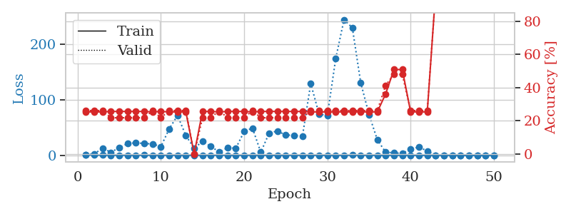
train_loss | valid_loss | train_accuracy | valid_accuracy | dur | train_misclass | valid_misclass
1.136346773 | 1.3997729395 | 0.2527173913 | 0.26086956522 | 0.086668252945 | 25.27173913 | 26.086956522
0.78285208733 | 2.5469651844 | 0.2527173913 | 0.26086956522 | 0.0850918293 | 25.27173913 | 26.086956522
0.42665524133 | 12.975258164 | 0.2527173913 | 0.26086956522 | 0.085370779037 | 25.27173913 | 26.086956522
0.28213465214 | 5.3705809842 | 0.25543478261 | 0.21739130435 | 0.085719823837 | 25.543478261 | 21.739130435
0.23848746069 | 14.114592303 | 0.25543478261 | 0.21739130435 | 0.085862398148 | 25.543478261 | 21.739130435
0.21627313336 | 20.898019791 | 0.25543478261 | 0.21739130435 | 0.085455417633 | 25.543478261 | 21.739130435
0.2381672911 | 22.704587522 | 0.25543478261 | 0.21739130435 | 0.08566236496 | 25.543478261 | 21.739130435
0.32882201315 | 21.156448364 | 0.25543478261 | 0.21739130435 | 0.085544347763 | 25.543478261 | 21.739130435
0.19989110853 | 20.529300773 | 0.2527173913 | 0.26086956522 | 0.085667133331 | 25.27173913 | 26.086956522
0.16588187108 | 15.655836852 | 0.25543478261 | 0.21739130435 | 0.085795164108 | 25.543478261 | 21.739130435
0.26593672266 | 47.634696629 | 0.2527173913 | 0.26086956522 | 0.085685014725 | 25.27173913 | 26.086956522
0.14975877187 | 71.614464138 | 0.2527173913 | 0.26086956522 | 0.085600614548 | 25.27173913 | 26.086956522
0.21474508512 | 35.435323301 | 0.2527173913 | 0.26086956522 | 0.08576965332 | 25.27173913 | 26.086956522
0.10144376155 | 12.990318962 | 0 | 0 | 0.085788249969 | 0 | 0
0.10688887326 | 24.853744175 | 0.25543478261 | 0.21739130435 | 0.085663318634 | 25.543478261 | 21.739130435
0.13857703332 | 16.18180673 | 0.25543478261 | 0.21739130435 | 0.085752248764 | 25.543478261 | 21.739130435
0.13224637055 | 5.8801442644 | 0.2527173913 | 0.26086956522 | 0.085789680481 | 25.27173913 | 26.086956522
0.22889164402 | 13.48581397 | 0.25543478261 | 0.21739130435 | 0.085732460022 | 25.543478261 | 21.739130435
0.086534109392 | 12.713662396 | 0.25543478261 | 0.21739130435 | 0.085792779922 | 25.543478261 | 21.739130435
0.11546855484 | 42.765193607 | 0.25543478261 | 0.21739130435 | 0.08570933342 | 25.543478261 | 21.739130435
0.1495531105 | 48.989940643 | 0.2527173913 | 0.26086956522 | 0.085879802704 | 25.27173913 | 26.086956522
0.072536233792 | 5.5162397468 | 0.25543478261 | 0.21739130435 | 0.085894107819 | 25.543478261 | 21.739130435
0.032048668895 | 39.835773966 | 0.25543478261 | 0.21739130435 | 0.085596323013 | 25.543478261 | 21.739130435
0.077143603091 | 43.751703014 | 0.25543478261 | 0.21739130435 | 0.085732698441 | 25.543478261 | 21.739130435
0.12244571458 | 36.403230584 | 0.25543478261 | 0.21739130435 | 0.085860013962 | 25.543478261 | 21.739130435
0.11407888488 | 36.043950454 | 0.25543478261 | 0.21739130435 | 0.085746049881 | 25.543478261 | 21.739130435
0.10188283455 | 33.744565383 | 0.25543478261 | 0.21739130435 | 0.085846424103 | 25.543478261 | 21.739130435
0.079119330039 | 129.04228774 | 0.2527173913 | 0.26086956522 | 0.085886001587 | 25.27173913 | 26.086956522
0.052485749034 | 74.050333106 | 0.2527173913 | 0.26086956522 | 0.085768461227 | 25.27173913 | 26.086956522
0.053054770617 | 71.604839491 | 0.2527173913 | 0.26086956522 | 0.08568572998 | 25.27173913 | 26.086956522
0.070573894864 | 173.55369502 | 0.2527173913 | 0.26086956522 | 0.085795879364 | 25.27173913 | 26.086956522
0.041824592809 | 243.8214589 | 0.2527173913 | 0.26086956522 | 0.085799217224 | 25.27173913 | 26.086956522
0.35703696817 | 229.15997115 | 0.2527173913 | 0.26086956522 | 0.085697889328 | 25.27173913 | 26.086956522
0.10627856797 | 130.88753775 | 0.2527173913 | 0.26086956522 | 0.08579492569 | 25.27173913 | 26.086956522
0.090786303272 | 73.324512316 | 0.2527173913 | 0.26086956522 | 0.085824728012 | 25.27173913 | 26.086956522
0.034432133457 | 27.864852574 | 0.2527173913 | 0.26086956522 | 0.085676431656 | 25.27173913 | 26.086956522
0.060566663712 | 5.6108937471 | 0.36141304348 | 0.41304347826 | 0.085728645325 | 36.141304348 | 41.304347826
0.039532888554 | 4.5333699143 | 0.50815217391 | 0.47826086957 | 0.085907459259 | 50.815217391 | 47.826086957
0.045631327423 | 3.1202455707 | 0.50815217391 | 0.47826086957 | 0.085963964462 | 50.815217391 | 47.826086957
0.036572857137 | 11.609279757 | 0.2527173913 | 0.26086956522 | 0.085735559464 | 25.27173913 | 26.086956522
0.019375206477 | 14.670215814 | 0.2527173913 | 0.26086956522 | 0.087114810944 | 25.27173913 | 26.086956522
0.04154230468 | 7.8929363334 | 0.2527173913 | 0.26086956522 | 0.085929870605 | 25.27173913 | 26.086956522
0.065459552079 | 0.13382434926 | 0.97282608696 | 0.96739130435 | 0.085759878159 | 97.282608696 | 96.739130435
0.054501385995 | 0.21160867567 | 0.94293478261 | 0.9347826087 | 0.086075544357 | 94.293478261 | 93.47826087
0.043495294881 | 0.065849083759 | 0.9972826087 | 0.98913043478 | 0.085867881775 | 99.72826087 | 98.913043478
0.015786712473 | 0.096308578535 | 0.97826086957 | 0.97826086957 | 0.086127996445 | 97.826086957 | 97.826086957
0.020208883783 | 0.077858434261 | 0.99184782609 | 0.98913043478 | 0.085880756378 | 99.184782609 | 98.913043478
0.026748709052 | 0.056846049938 | 0.9972826087 | 0.98913043478 | 0.085941553116 | 99.72826087 | 98.913043478
0.034792892463 | 0.046043230919 | 1 | 0.98913043478 | 0.086274862289 | 100 | 98.913043478
0.06423282679 | 0.038066371815 | 1 | 0.98913043478 | 0.086139917374 | 100 | 98.913043478

Best Val accuracy is 0.9891304347826086 and Best test accuracy is 0.9741379310344828

Sheet10
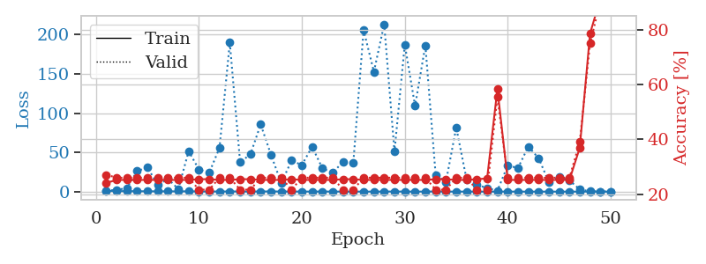
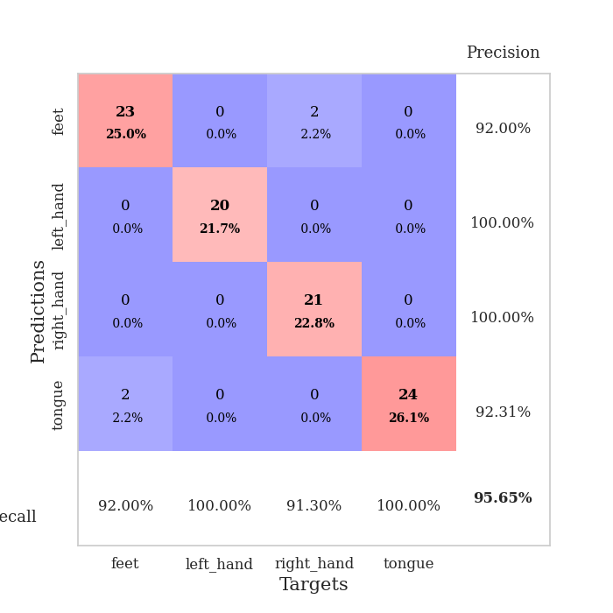
train_loss | valid_loss | train_accuracy | valid_accuracy | dur | train_misclass | valid_misclass
1.1340981955 | 1.3902591622 | 0.24184782609 | 0.27173913043 | 0.08683347702 | 24.184782609 | 27.173913043
0.68438531264 | 2.1191779012 | 0.2527173913 | 0.26086956522 | 0.085947990417 | 25.27173913 | 26.086956522
0.64458493046 | 4.6418068098 | 0.2527173913 | 0.26086956522 | 0.08602976799 | 25.27173913 | 26.086956522
0.5307853047 | 26.204113753 | 0.2527173913 | 0.26086956522 | 0.086393117905 | 25.27173913 | 26.086956522
0.44041225832 | 30.791297 | 0.2527173913 | 0.26086956522 | 0.086161851883 | 25.27173913 | 26.086956522
0.37128827462 | 8.6792204276 | 0.2527173913 | 0.26086956522 | 0.086015462875 | 25.27173913 | 26.086956522
0.41571168407 | 16.041227631 | 0.2527173913 | 0.26086956522 | 0.085866212845 | 25.27173913 | 26.086956522
0.30905318568 | 3.3787359258 | 0.2527173913 | 0.26086956522 | 0.086132764816 | 25.27173913 | 26.086956522
0.43115751024 | 51.55327573 | 0.2527173913 | 0.26086956522 | 0.086017370224 | 25.27173913 | 26.086956522
0.27334955399 | 28.31150113 | 0.25543478261 | 0.21739130435 | 0.086055517197 | 25.543478261 | 21.739130435
0.1728699494 | 24.008835419 | 0.25543478261 | 0.21739130435 | 0.089094400406 | 25.543478261 | 21.739130435
0.19793457991 | 55.892983478 | 0.2527173913 | 0.26086956522 | 0.088320970535 | 25.27173913 | 26.086956522
0.25568554793 | 189.94881472 | 0.2527173913 | 0.26086956522 | 0.088097572327 | 25.27173913 | 26.086956522
0.20955397124 | 37.639364325 | 0.25543478261 | 0.21739130435 | 0.088213443756 | 25.543478261 | 21.739130435
0.13669856848 | 47.439093382 | 0.25543478261 | 0.21739130435 | 0.087323904037 | 25.543478261 | 21.739130435
0.23802854809 | 85.726114688 | 0.2527173913 | 0.26086956522 | 0.087997436523 | 25.27173913 | 26.086956522
0.28308556942 | 47.062630031 | 0.2527173913 | 0.26086956522 | 0.088515996933 | 25.27173913 | 26.086956522
0.18431000792 | 10.807578958 | 0.2527173913 | 0.26086956522 | 0.087825059891 | 25.27173913 | 26.086956522
0.14544394021 | 39.632259535 | 0.25543478261 | 0.21739130435 | 0.08747625351 | 25.543478261 | 21.739130435
0.11950937217 | 33.895322053 | 0.2527173913 | 0.26086956522 | 0.087311506271 | 25.27173913 | 26.086956522
0.10992555976 | 57.26749105 | 0.2527173913 | 0.26086956522 | 0.087723493576 | 25.27173913 | 26.086956522
0.17448109012 | 29.616577231 | 0.2527173913 | 0.26086956522 | 0.087305545807 | 25.27173913 | 26.086956522
0.074208355023 | 24.239334521 | 0.2527173913 | 0.26086956522 | 0.087641477585 | 25.27173913 | 26.086956522
0.095513654326 | 37.818803538 | 0.25543478261 | 0.21739130435 | 0.08743429184 | 25.543478261 | 21.739130435
0.068742033418 | 36.858971471 | 0.25543478261 | 0.21739130435 | 0.087427377701 | 25.543478261 | 21.739130435
0.086879684853 | 205.94242594 | 0.2527173913 | 0.26086956522 | 0.087688446045 | 25.27173913 | 26.086956522
0.054121687937 | 152.78816489 | 0.2527173913 | 0.26086956522 | 0.087671756744 | 25.27173913 | 26.086956522
0.107882742 | 213.42196788 | 0.2527173913 | 0.26086956522 | 0.087809085846 | 25.27173913 | 26.086956522
0.18256931602 | 51.065020354 | 0.2527173913 | 0.26086956522 | 0.08774638176 | 25.27173913 | 26.086956522
0.094094007438 | 187.57967675 | 0.2527173913 | 0.26086956522 | 0.087320566177 | 25.27173913 | 26.086956522
0.091614378576 | 109.1189008 | 0.2527173913 | 0.26086956522 | 0.087429761887 | 25.27173913 | 26.086956522
0.065684065526 | 186.49582772 | 0.2527173913 | 0.26086956522 | 0.088065862656 | 25.27173913 | 26.086956522
0.24318325402 | 21.341306686 | 0.25543478261 | 0.21739130435 | 0.087607383728 | 25.543478261 | 21.739130435
0.078603579845 | 12.512340421 | 0.25543478261 | 0.21739130435 | 0.087654352188 | 25.543478261 | 21.739130435
0.051174807747 | 81.791638582 | 0.2527173913 | 0.26086956522 | 0.087971687317 | 25.27173913 | 26.086956522
0.084132635986 | 15.959020822 | 0.2527173913 | 0.26086956522 | 0.08767414093 | 25.27173913 | 26.086956522
0.042989384231 | 8.6804910743 | 0.25543478261 | 0.21739130435 | 0.087578058243 | 25.543478261 | 21.739130435
0.025279727906 | 4.5598079744 | 0.25815217391 | 0.21739130435 | 0.087666034698 | 25.815217391 | 21.739130435
0.071585203258 | 1.1203197396 | 0.58423913043 | 0.55434782609 | 0.087620258331 | 58.423913043 | 55.434782609
0.12071795098 | 33.271785073 | 0.2527173913 | 0.26086956522 | 0.088115215302 | 25.27173913 | 26.086956522
0.047243040136 | 30.073691327 | 0.2527173913 | 0.26086956522 | 0.088024616241 | 25.27173913 | 26.086956522
0.050361343396 | 57.492445573 | 0.2527173913 | 0.26086956522 | 0.087624788284 | 25.27173913 | 26.086956522
0.05625834195 | 42.738387896 | 0.2527173913 | 0.26086956522 | 0.087546110153 | 25.27173913 | 26.086956522
0.065828703799 | 12.089672254 | 0.2527173913 | 0.26086956522 | 0.087750911713 | 25.27173913 | 26.086956522
0.034409208395 | 18.647632848 | 0.2527173913 | 0.26086956522 | 0.087954998016 | 25.27173913 | 26.086956522
0.039565686491 | 14.344052854 | 0.2527173913 | 0.26086956522 | 0.087805986404 | 25.27173913 | 26.086956522
0.072521996249 | 2.804130378 | 0.36956521739 | 0.39130434783 | 0.087723255157 | 36.956521739 | 39.130434783
0.034357643828 | 0.48065413599 | 0.78532608696 | 0.75 | 0.087810993195 | 78.532608696 | 75
0.050233422885 | 0.24854655175 | 0.91304347826 | 0.90217391304 | 0.088513851166 | 91.304347826 | 90.217391304
0.044792835054 | 0.11996012683 | 0.97010869565 | 0.95652173913 | 0.087686300278 | 97.010869565 | 95.652173913

Best Val accuracy is 0.9565217391304348 and Best test accuracy is 0.9396551724137931

