Sheet
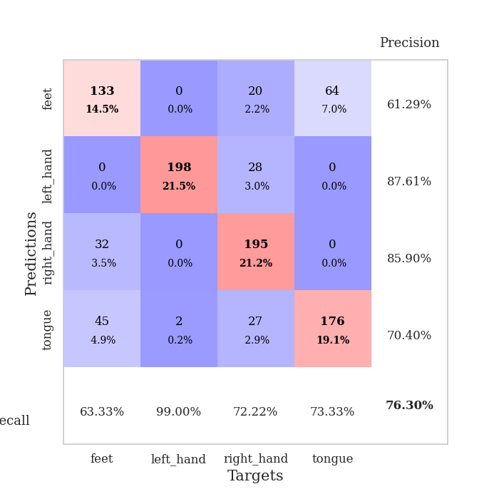
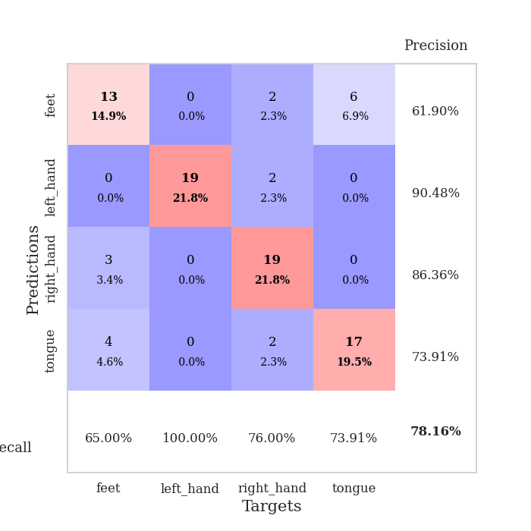
best_val_acc | best_val_los | best_test_acc
0.45652173913 | 1.4463362901 | 0.50862068966
0.96739130435 | 0.088161645052 | 0.99137931034
0.28260869565 | 1.3933721159 | 0.30172413793
0.76086956522 | 0.7224137809 | 0.81896551724
0.71739130435 | 0.88219304188 | 0.74137931034
0.91304347826 | 0.16476513705 | 0.94827586207
0.77173913043 | 0.40715365436 | 0.87931034483
1 | 0.047863160098 | 0.98275862069
0.77173913043 | 1.0730580662 | 0.74137931034
0.98913043478 | 0.088129430037 | 0.98275862069

Mean,std Val accuracy is 0.7630434782608695 , 0.23535669658452288 and mean, std test accuracy is 0.789655172413793 , 0.22877606065637432

Sheet1
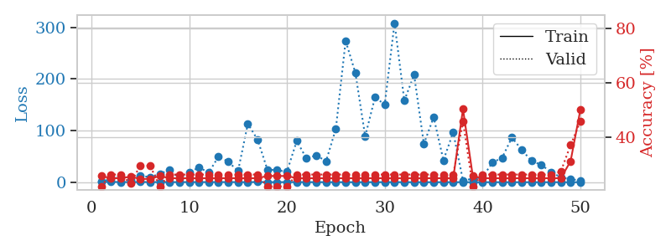
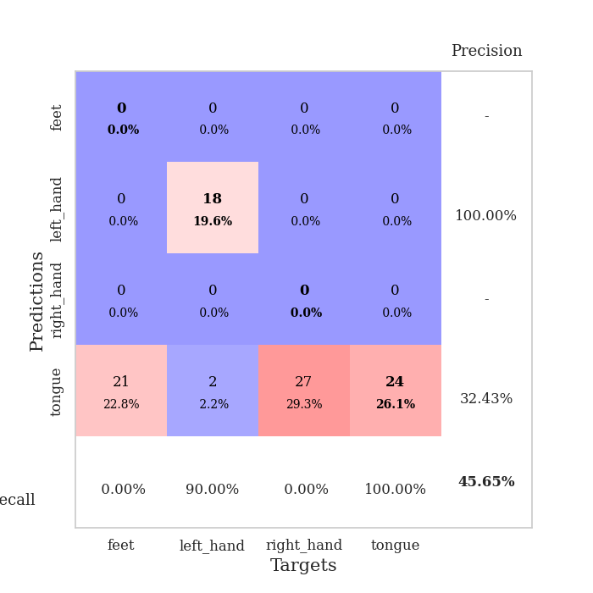
train_loss | valid_loss | train_accuracy | valid_accuracy | dur | train_misclass | valid_misclass
1.0223441953 | 1.4463362901 | 0.25543478261 | 0.21739130435 | 0.088531494141 | 25.543478261 | 21.739130435
0.59196032908 | 5.7464998287 | 0.2472826087 | 0.26086956522 | 0.088355779648 | 24.72826087 | 26.086956522
0.4261290729 | 10.85381454 | 0.2472826087 | 0.26086956522 | 0.087592601776 | 24.72826087 | 26.086956522
0.31340408131 | 4.7799729057 | 0.2527173913 | 0.22826086957 | 0.08745598793 | 25.27173913 | 22.826086957
0.46110016917 | 13.002278494 | 0.24456521739 | 0.29347826087 | 0.087462425232 | 24.456521739 | 29.347826087
0.31134418139 | 9.5077682993 | 0.24456521739 | 0.29347826087 | 0.087976455688 | 24.456521739 | 29.347826087
0.30799932162 | 16.595039285 | 0.25543478261 | 0.21739130435 | 0.087627410889 | 25.543478261 | 21.739130435
0.25282162234 | 23.254692907 | 0.2472826087 | 0.26086956522 | 0.087893009186 | 24.72826087 | 26.086956522
0.28355447397 | 8.2206387727 | 0.2472826087 | 0.26086956522 | 0.087990045547 | 24.72826087 | 26.086956522
0.35603579085 | 18.330045203 | 0.2472826087 | 0.26086956522 | 0.088465690613 | 24.72826087 | 26.086956522
0.33703559086 | 28.827638377 | 0.2472826087 | 0.26086956522 | 0.087883472443 | 24.72826087 | 26.086956522
0.28002447935 | 18.46716321 | 0.2472826087 | 0.26086956522 | 0.087685346603 | 24.72826087 | 26.086956522
0.36395395725 | 49.54542923 | 0.2472826087 | 0.26086956522 | 0.087812423706 | 24.72826087 | 26.086956522
0.31352780273 | 39.75009006 | 0.2472826087 | 0.26086956522 | 0.087558746338 | 24.72826087 | 26.086956522
0.28851488686 | 21.528523072 | 0.2472826087 | 0.26086956522 | 0.087953090668 | 24.72826087 | 26.086956522
0.16759845525 | 112.98261991 | 0.2472826087 | 0.26086956522 | 0.087391138077 | 24.72826087 | 26.086956522
0.44723300466 | 82.389752927 | 0.2472826087 | 0.26086956522 | 0.08788895607 | 24.72826087 | 26.086956522
0.22633858155 | 24.465182097 | 0.25543478261 | 0.21739130435 | 0.087484836578 | 25.543478261 | 21.739130435
0.1703474588 | 23.169390139 | 0.25543478261 | 0.21739130435 | 0.087841033936 | 25.543478261 | 21.739130435
0.24555283995 | 20.333399482 | 0.25543478261 | 0.21739130435 | 0.087580919266 | 25.543478261 | 21.739130435
0.32242818922 | 79.880212867 | 0.2472826087 | 0.26086956522 | 0.087578296661 | 24.72826087 | 26.086956522
0.18297287093 | 45.839874765 | 0.2472826087 | 0.26086956522 | 0.087670564651 | 24.72826087 | 26.086956522
0.18664807883 | 52.075359676 | 0.2472826087 | 0.26086956522 | 0.086959838867 | 24.72826087 | 26.086956522
0.15339784033 | 40.687954778 | 0.2472826087 | 0.26086956522 | 0.087272167206 | 24.72826087 | 26.086956522
0.14984688973 | 103.4421944 | 0.2472826087 | 0.26086956522 | 0.087418317795 | 24.72826087 | 26.086956522
0.13673495671 | 273.7342662 | 0.2472826087 | 0.26086956522 | 0.087737083435 | 24.72826087 | 26.086956522
0.095260566181 | 211.36321822 | 0.2472826087 | 0.26086956522 | 0.09050655365 | 24.72826087 | 26.086956522
0.14199413238 | 88.796458037 | 0.2472826087 | 0.26086956522 | 0.087597608566 | 24.72826087 | 26.086956522
0.1150269476 | 164.0976463 | 0.2472826087 | 0.26086956522 | 0.08703327179 | 24.72826087 | 26.086956522
0.15351588826 | 150.53870956 | 0.2472826087 | 0.26086956522 | 0.087404966354 | 24.72826087 | 26.086956522
0.13212267362 | 308.15105538 | 0.2472826087 | 0.26086956522 | 0.087217569351 | 24.72826087 | 26.086956522
0.09522646455 | 157.97937277 | 0.2472826087 | 0.26086956522 | 0.087518692017 | 24.72826087 | 26.086956522
0.075279916637 | 207.86238961 | 0.2472826087 | 0.26086956522 | 0.087952852249 | 24.72826087 | 26.086956522
0.089653792022 | 74.130762183 | 0.2472826087 | 0.26086956522 | 0.087676525116 | 24.72826087 | 26.086956522
0.046554783521 | 125.82167783 | 0.2472826087 | 0.26086956522 | 0.08767414093 | 24.72826087 | 26.086956522
0.1154932404 | 42.386487049 | 0.2472826087 | 0.26086956522 | 0.087779283524 | 24.72826087 | 26.086956522
0.11865524138 | 96.757688108 | 0.2472826087 | 0.26086956522 | 0.087706327438 | 24.72826087 | 26.086956522
0.089542168172 | 3.1351085746 | 0.5027173913 | 0.45652173913 | 0.08759188652 | 50.27173913 | 45.652173913
0.087554102885 | 6.793815364 | 0.25543478261 | 0.21739130435 | 0.087742567062 | 25.543478261 | 21.739130435
0.077179597549 | 9.6261612436 | 0.2472826087 | 0.26086956522 | 0.087677240372 | 24.72826087 | 26.086956522
0.10184609987 | 37.950595856 | 0.2472826087 | 0.26086956522 | 0.087638139725 | 24.72826087 | 26.086956522
0.083501245057 | 47.251985467 | 0.2472826087 | 0.26086956522 | 0.087455749512 | 24.72826087 | 26.086956522
0.072013915699 | 86.504248909 | 0.2472826087 | 0.26086956522 | 0.087261915207 | 24.72826087 | 26.086956522
0.078662677709 | 62.76057119 | 0.2472826087 | 0.26086956522 | 0.087342739105 | 24.72826087 | 26.086956522
0.071542430143 | 41.386698018 | 0.2472826087 | 0.26086956522 | 0.087188959122 | 24.72826087 | 26.086956522
0.08726842747 | 33.539563801 | 0.2472826087 | 0.26086956522 | 0.087075710297 | 24.72826087 | 26.086956522
0.053456023467 | 19.729865779 | 0.2472826087 | 0.26086956522 | 0.087491750717 | 24.72826087 | 26.086956522
0.13514571288 | 9.4757855871 | 0.2472826087 | 0.27173913043 | 0.087127685547 | 24.72826087 | 27.173913043
0.051781169625 | 5.8274867224 | 0.3097826087 | 0.36956521739 | 0.087349414825 | 30.97826087 | 36.956521739
0.074553663174 | 3.4626232334 | 0.5 | 0.45652173913 | 0.088065862656 | 50 | 45.652173913

Best Val accuracy is 0.45652173913043476 and Best test accuracy is 0.5086206896551724

Sheet2
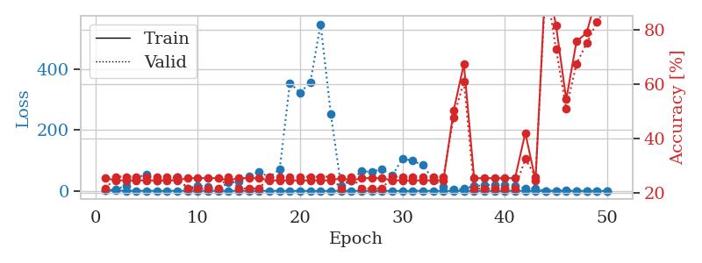
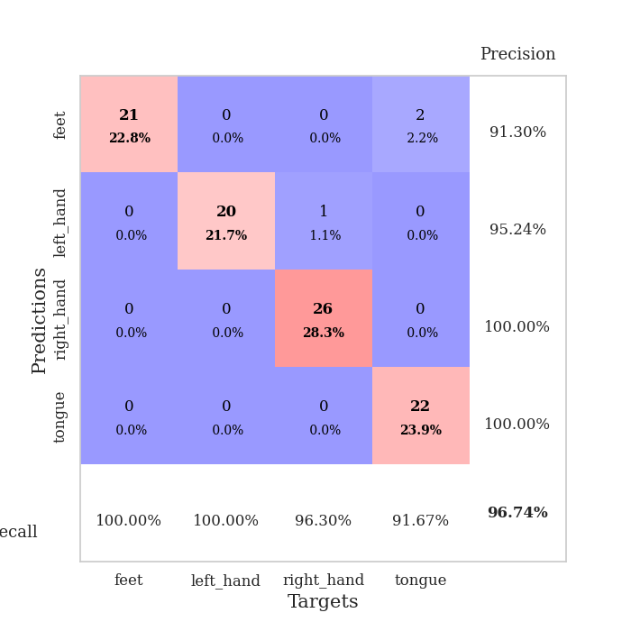
train_loss | valid_loss | train_accuracy | valid_accuracy | dur | train_misclass | valid_misclass
1.0970329746 | 1.4493413801 | 0.25543478261 | 0.21739130435 | 0.088954687119 | 25.543478261 | 21.739130435
0.7788313083 | 5.4821723233 | 0.2472826087 | 0.26086956522 | 0.085997819901 | 24.72826087 | 26.086956522
0.59009604674 | 16.958293086 | 0.2472826087 | 0.26086956522 | 0.085873365402 | 24.72826087 | 26.086956522
0.41559225904 | 43.022397746 | 0.2472826087 | 0.26086956522 | 0.085904121399 | 24.72826087 | 26.086956522
0.33256689945 | 54.370707139 | 0.2472826087 | 0.26086956522 | 0.08607339859 | 24.72826087 | 26.086956522
0.3773541755 | 34.325271026 | 0.2472826087 | 0.26086956522 | 0.085968017578 | 24.72826087 | 26.086956522
0.21405733571 | 36.022990849 | 0.2472826087 | 0.26086956522 | 0.085956811905 | 24.72826087 | 26.086956522
0.42806694559 | 44.098300602 | 0.2472826087 | 0.26086956522 | 0.085959911346 | 24.72826087 | 26.086956522
0.42108411893 | 7.6360986544 | 0.25543478261 | 0.21739130435 | 0.086038827896 | 25.543478261 | 21.739130435
0.31393470388 | 17.290297135 | 0.25543478261 | 0.21739130435 | 0.085998535156 | 25.543478261 | 21.739130435
0.15960795821 | 12.977007202 | 0.25543478261 | 0.21739130435 | 0.088068008423 | 25.543478261 | 21.739130435
0.42123875087 | 6.0372825291 | 0.25543478261 | 0.21739130435 | 0.08808016777 | 25.543478261 | 21.739130435
0.20008318677 | 26.800123049 | 0.2472826087 | 0.26086956522 | 0.088109016418 | 24.72826087 | 26.086956522
0.14836399937 | 30.646180692 | 0.25543478261 | 0.21739130435 | 0.087596654892 | 25.543478261 | 21.739130435
0.16406548655 | 48.659094935 | 0.25543478261 | 0.21739130435 | 0.087981939316 | 25.543478261 | 21.739130435
0.28347462238 | 62.121443707 | 0.25543478261 | 0.21739130435 | 0.087915182114 | 25.543478261 | 21.739130435
0.33992471335 | 45.039516781 | 0.2472826087 | 0.26086956522 | 0.087237119675 | 24.72826087 | 26.086956522
0.28949645534 | 71.229694201 | 0.2472826087 | 0.26086956522 | 0.087592840195 | 24.72826087 | 26.086956522
0.1385066161 | 353.96785968 | 0.2472826087 | 0.26086956522 | 0.087519168854 | 24.72826087 | 26.086956522
0.1494819956 | 321.48423303 | 0.2472826087 | 0.26086956522 | 0.087890148163 | 24.72826087 | 26.086956522
0.22581929851 | 357.04427304 | 0.2472826087 | 0.26086956522 | 0.087775707245 | 24.72826087 | 26.086956522
0.090526179208 | 546.71974116 | 0.2472826087 | 0.26086956522 | 0.087510824203 | 24.72826087 | 26.086956522
0.15002810194 | 251.43476403 | 0.2472826087 | 0.26086956522 | 0.087947368622 | 24.72826087 | 26.086956522
0.24693809604 | 15.644479835 | 0.25543478261 | 0.21739130435 | 0.087143421173 | 25.543478261 | 21.739130435
0.33484489066 | 34.563452762 | 0.2472826087 | 0.26086956522 | 0.087066173553 | 24.72826087 | 26.086956522
0.22025190618 | 64.322331636 | 0.25543478261 | 0.21739130435 | 0.087428808212 | 25.543478261 | 21.739130435
0.16945216837 | 62.887670766 | 0.25543478261 | 0.21739130435 | 0.087683439255 | 25.543478261 | 21.739130435
0.30655534736 | 71.351922408 | 0.25543478261 | 0.21739130435 | 0.087579011917 | 25.543478261 | 21.739130435
0.093974068275 | 50.189638221 | 0.2472826087 | 0.26086956522 | 0.090848922729 | 24.72826087 | 26.086956522
0.1041843685 | 106.18880562 | 0.2472826087 | 0.26086956522 | 0.086214065552 | 24.72826087 | 26.086956522
0.12542872487 | 98.491261358 | 0.2472826087 | 0.26086956522 | 0.086027383804 | 24.72826087 | 26.086956522
0.21024342819 | 84.265888048 | 0.2472826087 | 0.26086956522 | 0.086719512939 | 24.72826087 | 26.086956522
0.15679297264 | 36.926260907 | 0.2472826087 | 0.26086956522 | 0.086551189423 | 24.72826087 | 26.086956522
0.097428569489 | 14.738437777 | 0.2472826087 | 0.26086956522 | 0.086252689362 | 24.72826087 | 26.086956522
0.080173169263 | 3.6223648216 | 0.5027173913 | 0.47826086957 | 0.086320161819 | 50.27173913 | 47.826086957
0.079180741764 | 6.7915185638 | 0.67391304348 | 0.60869565217 | 0.086926698685 | 67.391304348 | 60.869565217
0.051394329993 | 15.774992279 | 0.25543478261 | 0.21739130435 | 0.086650848389 | 25.543478261 | 21.739130435
0.11914795398 | 18.57199362 | 0.25543478261 | 0.21739130435 | 0.086695432663 | 25.543478261 | 21.739130435
0.043169675192 | 19.579184408 | 0.25543478261 | 0.21739130435 | 0.086604833603 | 25.543478261 | 21.739130435
0.07859220461 | 19.485283976 | 0.25543478261 | 0.21739130435 | 0.086416959763 | 25.543478261 | 21.739130435
0.13268130718 | 16.40605628 | 0.25543478261 | 0.21739130435 | 0.086345434189 | 25.543478261 | 21.739130435
0.06887622868 | 8.5512532773 | 0.42119565217 | 0.32608695652 | 0.086495399475 | 42.119565217 | 32.608695652
0.091920557148 | 6.6378897169 | 0.2472826087 | 0.26086956522 | 0.086428165436 | 24.72826087 | 26.086956522
0.064529013233 | 0.088161645052 | 1 | 0.96739130435 | 0.086355209351 | 100 | 96.739130435
0.099698291069 | 0.54753194685 | 0.8152173913 | 0.72826086957 | 0.086365699768 | 81.52173913 | 72.826086957
0.057507646716 | 2.0005389815 | 0.54347826087 | 0.51086956522 | 0.086898803711 | 54.347826087 | 51.086956522
0.085736072703 | 0.64605844798 | 0.75543478261 | 0.67391304348 | 0.086817502975 | 75.543478261 | 67.391304348
0.056910554716 | 0.55259693965 | 0.78804347826 | 0.75 | 0.086394786835 | 78.804347826 | 75
0.049407687666 | 0.36155144935 | 0.92391304348 | 0.82608695652 | 0.086441040039 | 92.391304348 | 82.608695652
0.082949430297 | 0.2276079875 | 0.98097826087 | 0.89130434783 | 0.086298465729 | 98.097826087 | 89.130434783

Best Val accuracy is 0.967391304347826 and Best test accuracy is 0.9913793103448276

Sheet3
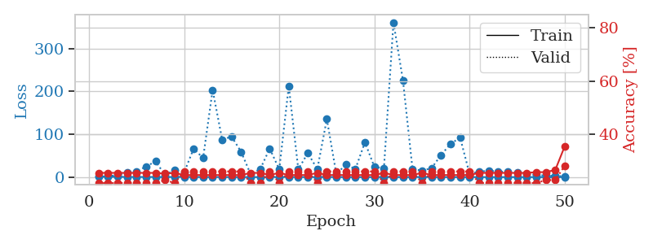
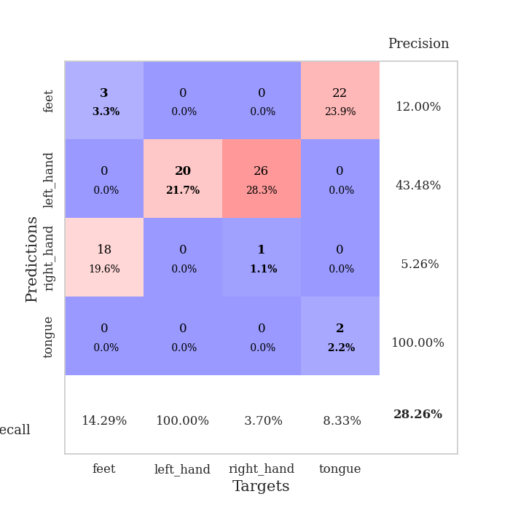
train_loss | valid_loss | train_accuracy | valid_accuracy | dur | train_misclass | valid_misclass
1.0990313369 | 1.3933721159 | 0.25543478261 | 0.21739130435 | 0.086480140686 | 25.543478261 | 21.739130435
0.88377812893 | 1.9462093167 | 0.25543478261 | 0.21739130435 | 0.085634231567 | 25.543478261 | 21.739130435
0.64143015898 | 4.6098019766 | 0.25543478261 | 0.21739130435 | 0.085174322128 | 25.543478261 | 21.739130435
0.48253562528 | 11.682800293 | 0.25543478261 | 0.21739130435 | 0.086045980453 | 25.543478261 | 21.739130435
0.41101427052 | 13.249482694 | 0.25543478261 | 0.21739130435 | 0.08616900444 | 25.543478261 | 21.739130435
0.35327581835 | 24.627654034 | 0.25543478261 | 0.21739130435 | 0.08592414856 | 25.543478261 | 21.739130435
0.40823140967 | 36.609008955 | 0.25543478261 | 0.21739130435 | 0.086213588715 | 25.543478261 | 21.739130435
0.27844238557 | 5.1908052693 | 0.2527173913 | 0.22826086957 | 0.086292982101 | 25.27173913 | 22.826086957
0.39206781255 | 16.273223545 | 0.25543478261 | 0.21739130435 | 0.086481809616 | 25.543478261 | 21.739130435
0.42205892066 | 10.311915149 | 0.2472826087 | 0.26086956522 | 0.086189031601 | 24.72826087 | 26.086956522
0.30885108496 | 66.529433043 | 0.2472826087 | 0.26086956522 | 0.086893320084 | 24.72826087 | 26.086956522
0.20331038227 | 44.49691192 | 0.2472826087 | 0.26086956522 | 0.086313962936 | 24.72826087 | 26.086956522
0.20126487776 | 203.44912056 | 0.2472826087 | 0.26086956522 | 0.086276292801 | 24.72826087 | 26.086956522
0.1551931068 | 87.774579919 | 0.2472826087 | 0.26086956522 | 0.086152553558 | 24.72826087 | 26.086956522
0.16814872825 | 94.364653878 | 0.2472826087 | 0.26086956522 | 0.085918188095 | 24.72826087 | 26.086956522
0.14624859789 | 58.801355611 | 0.2472826087 | 0.26086956522 | 0.086286783218 | 24.72826087 | 26.086956522
0.13187054334 | 6.4176252821 | 0.25543478261 | 0.21739130435 | 0.086202859879 | 25.543478261 | 21.739130435
0.093678672919 | 18.619556842 | 0.25543478261 | 0.21739130435 | 0.086059570312 | 25.543478261 | 21.739130435
0.23277749372 | 66.681033425 | 0.2472826087 | 0.26086956522 | 0.085983991623 | 24.72826087 | 26.086956522
0.19946489945 | 17.961463182 | 0.25543478261 | 0.21739130435 | 0.08614563942 | 25.543478261 | 21.739130435
0.26625830227 | 212.35084534 | 0.2472826087 | 0.26086956522 | 0.08630657196 | 24.72826087 | 26.086956522
0.21402312289 | 18.256046212 | 0.2472826087 | 0.26086956522 | 0.086284637451 | 24.72826087 | 26.086956522
0.1667258967 | 56.129002447 | 0.2472826087 | 0.26086956522 | 0.086061000824 | 24.72826087 | 26.086956522
0.10611887195 | 18.606022047 | 0.25543478261 | 0.21739130435 | 0.086252689362 | 25.543478261 | 21.739130435
0.20988037879 | 135.49011197 | 0.2472826087 | 0.26086956522 | 0.086057186127 | 24.72826087 | 26.086956522
0.32343426835 | 6.5618424001 | 0.2472826087 | 0.26086956522 | 0.086142063141 | 24.72826087 | 26.086956522
0.078470955643 | 29.702657202 | 0.2472826087 | 0.26086956522 | 0.086205005646 | 24.72826087 | 26.086956522
0.092108922565 | 18.728152482 | 0.2472826087 | 0.26086956522 | 0.086280107498 | 24.72826087 | 26.086956522
0.12641754135 | 81.405460855 | 0.2472826087 | 0.26086956522 | 0.086209058762 | 24.72826087 | 26.086956522
0.1316529236 | 23.568917399 | 0.2472826087 | 0.26086956522 | 0.086151599884 | 24.72826087 | 26.086956522
0.094301376289 | 21.311468705 | 0.25543478261 | 0.21739130435 | 0.085999727249 | 25.543478261 | 21.739130435
0.095613090544 | 361.11619236 | 0.2472826087 | 0.26086956522 | 0.085626125336 | 24.72826087 | 26.086956522
0.059232717866 | 225.45185056 | 0.2472826087 | 0.26086956522 | 0.089572191238 | 24.72826087 | 26.086956522
0.097917807855 | 18.764661747 | 0.2472826087 | 0.26086956522 | 0.088218212128 | 24.72826087 | 26.086956522
0.3196320917 | 15.202282532 | 0.25543478261 | 0.21739130435 | 0.086140155792 | 25.543478261 | 21.739130435
0.14997146084 | 20.786605172 | 0.2472826087 | 0.26086956522 | 0.086302995682 | 24.72826087 | 26.086956522
0.10751569283 | 51.671102773 | 0.2472826087 | 0.26086956522 | 0.086565732956 | 24.72826087 | 26.086956522
0.057319781318 | 77.38591501 | 0.2472826087 | 0.26086956522 | 0.086763381958 | 24.72826087 | 26.086956522
0.07294697764 | 92.349571228 | 0.2472826087 | 0.26086956522 | 0.086958169937 | 24.72826087 | 26.086956522
0.086313919164 | 7.0679973934 | 0.2472826087 | 0.26086956522 | 0.086960792542 | 24.72826087 | 26.086956522
0.058990664173 | 12.890948627 | 0.25543478261 | 0.21739130435 | 0.086924552917 | 25.543478261 | 21.739130435
0.043740060018 | 14.758435457 | 0.25543478261 | 0.21739130435 | 0.086841821671 | 25.543478261 | 21.739130435
0.035805943554 | 13.297285453 | 0.25543478261 | 0.21739130435 | 0.086934804916 | 25.543478261 | 21.739130435
0.095056543147 | 12.021435779 | 0.25543478261 | 0.21739130435 | 0.087773799896 | 25.543478261 | 21.739130435
0.055521654957 | 10.490114793 | 0.25543478261 | 0.21739130435 | 0.085968255997 | 25.543478261 | 21.739130435
0.062551641594 | 7.6504542724 | 0.25543478261 | 0.21739130435 | 0.086045503616 | 25.543478261 | 21.739130435
0.078311848697 | 5.2591850447 | 0.25815217391 | 0.21739130435 | 0.086018800735 | 25.815217391 | 21.739130435
0.04830971674 | 3.7247440919 | 0.25815217391 | 0.22826086957 | 0.086618423462 | 25.815217391 | 22.826086957
0.064634014893 | 2.836028721 | 0.26630434783 | 0.22826086957 | 0.086448192596 | 26.630434783 | 22.826086957
0.04792161629 | 1.8604393109 | 0.35597826087 | 0.28260869565 | 0.086447954178 | 35.597826087 | 28.260869565

Best Val accuracy is 0.2826086956521739 and Best test accuracy is 0.3017241379310345

Sheet4
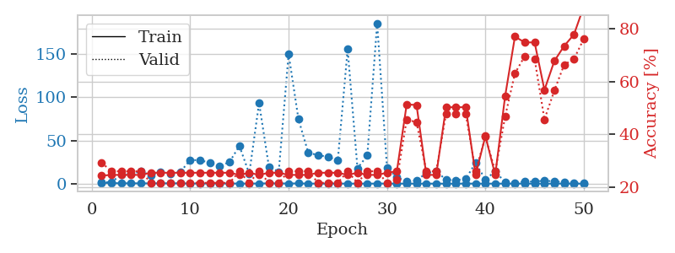
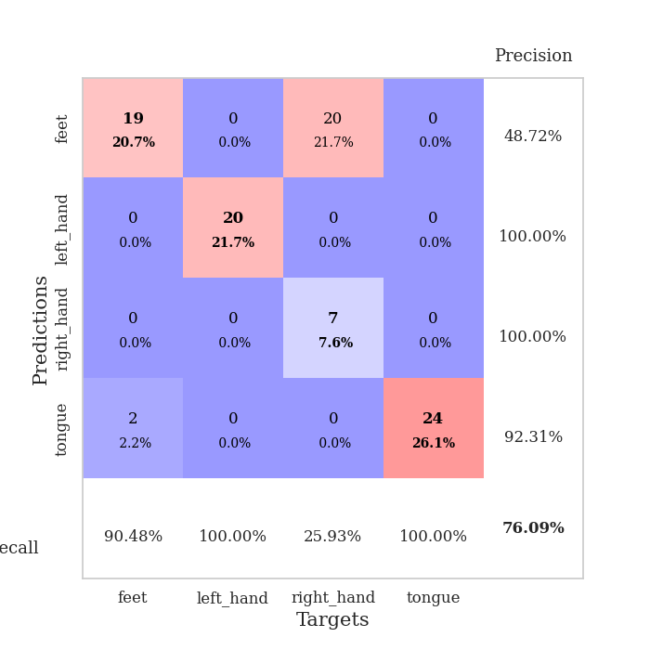
train_loss | valid_loss | train_accuracy | valid_accuracy | dur | train_misclass | valid_misclass
1.0969512592 | 1.3905560089 | 0.24456521739 | 0.29347826087 | 0.087473392487 | 24.456521739 | 29.347826087
0.64936619608 | 1.8003039516 | 0.2472826087 | 0.26086956522 | 0.086147069931 | 24.72826087 | 26.086956522
0.4847487114 | 10.423499688 | 0.2472826087 | 0.26086956522 | 0.086205482483 | 24.72826087 | 26.086956522
0.42802807689 | 11.648443885 | 0.2472826087 | 0.26086956522 | 0.086573123932 | 24.72826087 | 26.086956522
0.40916355408 | 14.000538494 | 0.2472826087 | 0.26086956522 | 0.089260578156 | 24.72826087 | 26.086956522
0.34620639649 | 9.8582953992 | 0.25543478261 | 0.21739130435 | 0.087336540222 | 25.543478261 | 21.739130435
0.38672908201 | 13.478202613 | 0.25543478261 | 0.21739130435 | 0.087833404541 | 25.543478261 | 21.739130435
0.43663741 | 11.428220127 | 0.25543478261 | 0.21739130435 | 0.087899684906 | 25.543478261 | 21.739130435
0.38731493185 | 13.640669823 | 0.25543478261 | 0.21739130435 | 0.087141513824 | 25.543478261 | 21.739130435
0.16294322487 | 27.352267804 | 0.25543478261 | 0.21739130435 | 0.087735176086 | 25.543478261 | 21.739130435
0.22155962901 | 27.219594126 | 0.25543478261 | 0.21739130435 | 0.087015390396 | 25.543478261 | 21.739130435
0.24957851013 | 24.146048173 | 0.25543478261 | 0.21739130435 | 0.087768793106 | 25.543478261 | 21.739130435
0.2502355182 | 20.148403085 | 0.25543478261 | 0.21739130435 | 0.089254379272 | 25.543478261 | 21.739130435
0.22994731561 | 25.158293683 | 0.25543478261 | 0.21739130435 | 0.087107658386 | 25.543478261 | 21.739130435
0.14814116085 | 43.728456746 | 0.2472826087 | 0.26086956522 | 0.086665868759 | 24.72826087 | 26.086956522
0.12248385726 | 11.592824646 | 0.25543478261 | 0.21739130435 | 0.087239027023 | 25.543478261 | 21.739130435
0.22837784303 | 93.458583998 | 0.2472826087 | 0.26086956522 | 0.087390422821 | 24.72826087 | 26.086956522
0.34081032338 | 19.509382414 | 0.25543478261 | 0.21739130435 | 0.087556600571 | 25.543478261 | 21.739130435
0.26036345975 | 13.812988945 | 0.25543478261 | 0.21739130435 | 0.086696386337 | 25.543478261 | 21.739130435
0.23046463493 | 150.28675842 | 0.2472826087 | 0.26086956522 | 0.086580276489 | 24.72826087 | 26.086956522
0.29157543867 | 74.773528721 | 0.2472826087 | 0.26086956522 | 0.086746692657 | 24.72826087 | 26.086956522
0.10124377842 | 35.756376266 | 0.2472826087 | 0.26086956522 | 0.086823701859 | 24.72826087 | 26.086956522
0.093703635766 | 33.033961255 | 0.25543478261 | 0.21739130435 | 0.086890697479 | 25.543478261 | 21.739130435
0.099280869669 | 31.109533725 | 0.25543478261 | 0.21739130435 | 0.086820840836 | 25.543478261 | 21.739130435
0.14109840823 | 26.900572321 | 0.25543478261 | 0.21739130435 | 0.086702823639 | 25.543478261 | 21.739130435
0.076661181272 | 155.85010562 | 0.2472826087 | 0.26086956522 | 0.086822986603 | 24.72826087 | 26.086956522
0.079015571503 | 17.690295095 | 0.25543478261 | 0.21739130435 | 0.086623668671 | 25.543478261 | 21.739130435
0.06430107424 | 32.729138665 | 0.2472826087 | 0.26086956522 | 0.086683273315 | 24.72826087 | 26.086956522
0.11056330454 | 185.86853226 | 0.2472826087 | 0.26086956522 | 0.086597204208 | 24.72826087 | 26.086956522
0.17243191891 | 18.329548214 | 0.25543478261 | 0.21739130435 | 0.087000370026 | 25.543478261 | 21.739130435
0.090872273294 | 7.6588276158 | 0.26086956522 | 0.22826086957 | 0.086695671082 | 26.086956522 | 22.826086957
0.10643087971 | 2.2671657438 | 0.51358695652 | 0.45652173913 | 0.086825370789 | 51.358695652 | 45.652173913
0.082185037859 | 3.8250152546 | 0.51086956522 | 0.44565217391 | 0.086988210678 | 51.086956522 | 44.565217391
0.080693222886 | 12.231592054 | 0.2472826087 | 0.26086956522 | 0.086779356003 | 24.72826087 | 26.086956522
0.053036038865 | 14.309040401 | 0.2472826087 | 0.26086956522 | 0.086892604828 | 24.72826087 | 26.086956522
0.061162600476 | 4.5665264337 | 0.5027173913 | 0.47826086957 | 0.086770057678 | 50.27173913 | 47.826086957
0.070669169285 | 4.0837048137 | 0.5027173913 | 0.47826086957 | 0.087061405182 | 50.27173913 | 47.826086957
0.14519751496 | 5.5612457939 | 0.5027173913 | 0.47826086957 | 0.089454174042 | 50.27173913 | 47.826086957
0.055272680505 | 24.088863124 | 0.2472826087 | 0.26086956522 | 0.08713889122 | 24.72826087 | 26.086956522
0.07245292962 | 4.7979751048 | 0.39402173913 | 0.39130434783 | 0.086514949799 | 39.402173913 | 39.130434783
0.056135630458 | 14.312622236 | 0.2472826087 | 0.26086956522 | 0.086560726166 | 24.72826087 | 26.086956522
0.068383200965 | 1.5555403595 | 0.54347826087 | 0.46739130435 | 0.086511611938 | 54.347826087 | 46.739130435
0.11729061221 | 1.0536796269 | 0.76902173913 | 0.63043478261 | 0.086472272873 | 76.902173913 | 63.043478261
0.071075617842 | 2.5128048918 | 0.7472826087 | 0.69565217391 | 0.086668491364 | 74.72826087 | 69.565217391
0.049016748363 | 2.2822062762 | 0.7472826087 | 0.6847826087 | 0.086665630341 | 74.72826087 | 68.47826087
0.084268624044 | 3.5614760233 | 0.56793478261 | 0.45652173913 | 0.086585044861 | 56.793478261 | 45.652173913
0.051402894881 | 2.5886622719 | 0.67663043478 | 0.5652173913 | 0.086469650269 | 67.663043478 | 56.52173913
0.13516804837 | 1.7637354757 | 0.73369565217 | 0.66304347826 | 0.086543798447 | 73.369565217 | 66.304347826
0.041672472174 | 1.1779971486 | 0.77717391304 | 0.6847826087 | 0.086441755295 | 77.717391304 | 68.47826087
0.046575998331 | 0.7224137809 | 0.88315217391 | 0.76086956522 | 0.08635020256 | 88.315217391 | 76.086956522

Best Val accuracy is 0.7608695652173914 and Best test accuracy is 0.8189655172413793

Sheet5
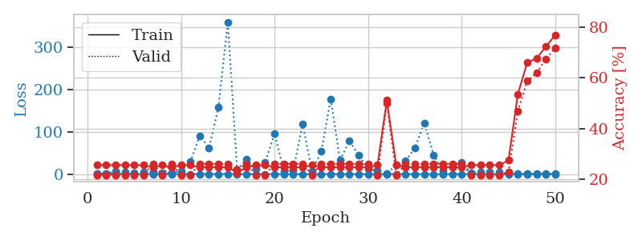
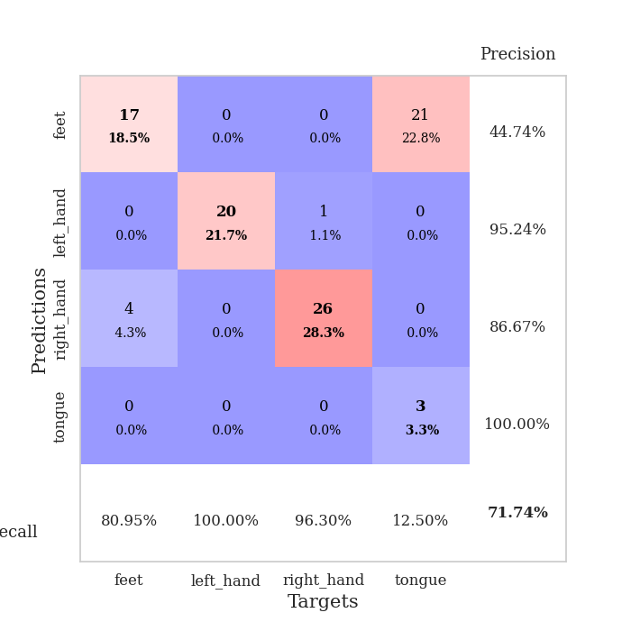
train_loss | valid_loss | train_accuracy | valid_accuracy | dur | train_misclass | valid_misclass
1.2535119005 | 1.5923683281 | 0.25543478261 | 0.21739130435 | 0.086802959442 | 25.543478261 | 21.739130435
0.82565634147 | 1.905815591 | 0.25543478261 | 0.21739130435 | 0.085269451141 | 25.543478261 | 21.739130435
0.54950140352 | 6.3996473603 | 0.25543478261 | 0.21739130435 | 0.085214614868 | 25.543478261 | 21.739130435
0.57020139435 | 4.6605626189 | 0.25543478261 | 0.21739130435 | 0.085388660431 | 25.543478261 | 21.739130435
0.45397546952 | 3.4809921306 | 0.25543478261 | 0.21739130435 | 0.085868120193 | 25.543478261 | 21.739130435
0.30435281992 | 4.2946387374 | 0.25543478261 | 0.21739130435 | 0.087394952774 | 25.543478261 | 21.739130435
0.26474138576 | 5.500075133 | 0.2472826087 | 0.26086956522 | 0.086956739426 | 24.72826087 | 26.086956522
0.20972459747 | 3.519977383 | 0.25543478261 | 0.21739130435 | 0.086743116379 | 25.543478261 | 21.739130435
0.25980190657 | 2.6466234974 | 0.2472826087 | 0.26086956522 | 0.086713552475 | 24.72826087 | 26.086956522
0.18976473614 | 7.3711696915 | 0.25543478261 | 0.21739130435 | 0.086615800858 | 25.543478261 | 21.739130435
0.26393448181 | 29.303254169 | 0.25543478261 | 0.21739130435 | 0.086821317673 | 25.543478261 | 21.739130435
0.37709731155 | 90.581336312 | 0.2472826087 | 0.26086956522 | 0.086586236954 | 24.72826087 | 26.086956522
0.29760781522 | 62.359625775 | 0.2472826087 | 0.26086956522 | 0.086519241333 | 24.72826087 | 26.086956522
0.3522354253 | 157.29527283 | 0.2472826087 | 0.26086956522 | 0.086678028107 | 24.72826087 | 26.086956522
0.24299553822 | 359.10984072 | 0.2472826087 | 0.26086956522 | 0.086629867554 | 24.72826087 | 26.086956522
0.20399232816 | 11.062726062 | 0.22554347826 | 0.23913043478 | 0.086414813995 | 22.554347826 | 23.913043478
0.1748583495 | 35.313612233 | 0.2472826087 | 0.26086956522 | 0.086682081223 | 24.72826087 | 26.086956522
0.18189551641 | 13.612658832 | 0.25543478261 | 0.21739130435 | 0.086358547211 | 25.543478261 | 21.739130435
0.20321554302 | 28.452017245 | 0.25543478261 | 0.21739130435 | 0.086509466171 | 25.543478261 | 21.739130435
0.2290619994 | 95.735981153 | 0.2472826087 | 0.26086956522 | 0.086543798447 | 24.72826087 | 26.086956522
0.10381675151 | 7.8568055526 | 0.2472826087 | 0.26086956522 | 0.086429357529 | 24.72826087 | 26.086956522
0.11353062085 | 8.9583717429 | 0.2472826087 | 0.26086956522 | 0.086597204208 | 24.72826087 | 26.086956522
0.17672068636 | 118.81444516 | 0.2472826087 | 0.26086956522 | 0.08663725853 | 24.72826087 | 26.086956522
0.18709554766 | 7.6579165251 | 0.25543478261 | 0.21739130435 | 0.087289094925 | 25.543478261 | 21.739130435
0.15289125211 | 53.596343165 | 0.2472826087 | 0.26086956522 | 0.086492538452 | 24.72826087 | 26.086956522
0.13042751663 | 177.66257842 | 0.2472826087 | 0.26086956522 | 0.086791276932 | 24.72826087 | 26.086956522
0.3833924902 | 32.972496364 | 0.2472826087 | 0.26086956522 | 0.086571216583 | 24.72826087 | 26.086956522
0.24098656553 | 78.444263292 | 0.2472826087 | 0.26086956522 | 0.086506128311 | 24.72826087 | 26.086956522
0.20118923242 | 44.516082598 | 0.2472826087 | 0.26086956522 | 0.086720705032 | 24.72826087 | 26.086956522
0.14005150877 | 12.70607372 | 0.2472826087 | 0.26086956522 | 0.086609840393 | 24.72826087 | 26.086956522
0.078772232503 | 8.1528255629 | 0.25543478261 | 0.21739130435 | 0.086467027664 | 25.543478261 | 21.739130435
0.12751051703 | 2.1675252655 | 0.51086956522 | 0.5 | 0.086881875992 | 51.086956522 | 50
0.11827234729 | 21.278547287 | 0.25543478261 | 0.21739130435 | 0.086996555328 | 25.543478261 | 21.739130435
0.11264016382 | 30.893955645 | 0.2472826087 | 0.26086956522 | 0.086774110794 | 24.72826087 | 26.086956522
0.072015936527 | 61.884881227 | 0.2472826087 | 0.26086956522 | 0.086533308029 | 24.72826087 | 26.086956522
0.11867632029 | 121.04702593 | 0.2472826087 | 0.26086956522 | 0.086592912674 | 24.72826087 | 26.086956522
0.069241112199 | 45.220974964 | 0.2472826087 | 0.26086956522 | 0.086807250977 | 24.72826087 | 26.086956522
0.14771548122 | 6.224079215 | 0.2472826087 | 0.26086956522 | 0.08834028244 | 24.72826087 | 26.086956522
0.1254827007 | 21.724264228 | 0.2472826087 | 0.26086956522 | 0.085932731628 | 24.72826087 | 26.086956522
0.062419036687 | 27.046067031 | 0.2472826087 | 0.26086956522 | 0.086194992065 | 24.72826087 | 26.086956522
0.12180906609 | 3.7694244177 | 0.25543478261 | 0.21739130435 | 0.086151123047 | 25.543478261 | 21.739130435
0.081469435184 | 5.6292487227 | 0.25543478261 | 0.21739130435 | 0.086639881134 | 25.543478261 | 21.739130435
0.077438802317 | 5.618904715 | 0.25543478261 | 0.21739130435 | 0.086475372314 | 25.543478261 | 21.739130435
0.064047988788 | 4.4046452564 | 0.25543478261 | 0.21739130435 | 0.087016820908 | 25.543478261 | 21.739130435
0.050047972604 | 2.6684364754 | 0.27445652174 | 0.22826086957 | 0.086608409882 | 27.445652174 | 22.826086957
0.079085426061 | 1.6906187638 | 0.53532608696 | 0.46739130435 | 0.086745738983 | 53.532608696 | 46.739130435
0.066055591846 | 1.5108491856 | 0.66032608696 | 0.58695652174 | 0.08696937561 | 66.032608696 | 58.695652174
0.11655484425 | 1.3835400602 | 0.67663043478 | 0.61956521739 | 0.088786363602 | 67.663043478 | 61.956521739
0.054492054021 | 1.1341411134 | 0.72282608696 | 0.67391304348 | 0.086318016052 | 72.282608696 | 67.391304348
0.086256166495 | 0.88219304188 | 0.76902173913 | 0.71739130435 | 0.086232423782 | 76.902173913 | 71.739130435

Best Val accuracy is 0.717391304347826 and Best test accuracy is 0.7413793103448276

Sheet6
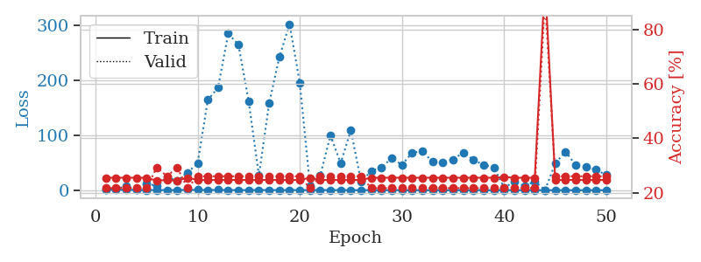
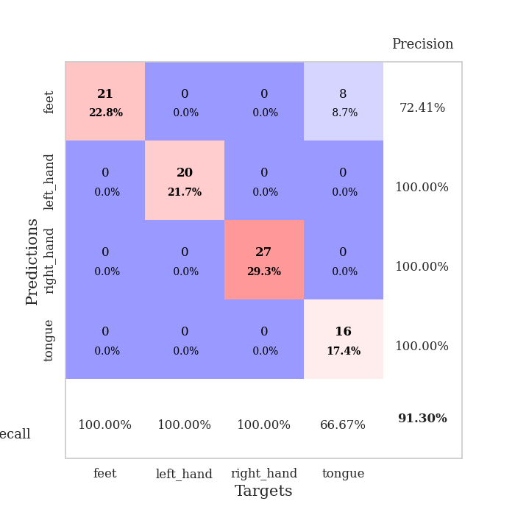
train_loss | valid_loss | train_accuracy | valid_accuracy | dur | train_misclass | valid_misclass
1.108509271 | 1.7751689113 | 0.25543478261 | 0.21739130435 | 0.086802721024 | 25.543478261 | 21.739130435
0.7536979363 | 2.8454339919 | 0.25543478261 | 0.21739130435 | 0.085021018982 | 25.543478261 | 21.739130435
0.75570940064 | 6.8356690821 | 0.25543478261 | 0.21739130435 | 0.084932565689 | 25.543478261 | 21.739130435
0.57678382811 | 1.9380418218 | 0.25543478261 | 0.21739130435 | 0.084962129593 | 25.543478261 | 21.739130435
0.38794925874 | 12.97902045 | 0.25543478261 | 0.21739130435 | 0.085135936737 | 25.543478261 | 21.739130435
0.27757899334 | 7.0639638486 | 0.24456521739 | 0.29347826087 | 0.085323572159 | 24.456521739 | 29.347826087
0.30473208978 | 23.737394001 | 0.2472826087 | 0.26086956522 | 0.087462186813 | 24.72826087 | 26.086956522
0.24672837329 | 17.004090351 | 0.24456521739 | 0.29347826087 | 0.08712720871 | 24.456521739 | 29.347826087
0.59237440643 | 32.105751535 | 0.25543478261 | 0.21739130435 | 0.087314605713 | 25.543478261 | 21.739130435
0.53792198456 | 48.945006495 | 0.2472826087 | 0.26086956522 | 0.086881637573 | 24.72826087 | 26.086956522
0.39406479506 | 164.5270326 | 0.2472826087 | 0.26086956522 | 0.087442398071 | 24.72826087 | 26.086956522
0.43742415374 | 187.05352717 | 0.2472826087 | 0.26086956522 | 0.08663392067 | 24.72826087 | 26.086956522
0.33822681042 | 285.56867318 | 0.2472826087 | 0.26086956522 | 0.086633682251 | 24.72826087 | 26.086956522
0.21696529254 | 265.32781717 | 0.2472826087 | 0.26086956522 | 0.086555242538 | 24.72826087 | 26.086956522
0.25814204226 | 161.66473986 | 0.2472826087 | 0.26086956522 | 0.086748600006 | 24.72826087 | 26.086956522
0.32184864783 | 26.771677515 | 0.2472826087 | 0.26086956522 | 0.086547374725 | 24.72826087 | 26.086956522
0.33266568897 | 158.36739117 | 0.2472826087 | 0.26086956522 | 0.086380720139 | 24.72826087 | 26.086956522
0.22974691475 | 242.72406205 | 0.2472826087 | 0.26086956522 | 0.08642411232 | 24.72826087 | 26.086956522
0.23899772051 | 302.98656895 | 0.2472826087 | 0.26086956522 | 0.086588144302 | 24.72826087 | 26.086956522
0.27269378726 | 195.57772495 | 0.2472826087 | 0.26086956522 | 0.08646273613 | 24.72826087 | 26.086956522
0.1525413475 | 7.5894886929 | 0.25543478261 | 0.21739130435 | 0.086369037628 | 25.543478261 | 21.739130435
0.17354196136 | 26.423921585 | 0.2472826087 | 0.26086956522 | 0.08652806282 | 24.72826087 | 26.086956522
0.25821754911 | 99.911484428 | 0.2472826087 | 0.26086956522 | 0.086546421051 | 24.72826087 | 26.086956522
0.1434568468 | 49.116963096 | 0.2472826087 | 0.26086956522 | 0.086344718933 | 24.72826087 | 26.086956522
0.15528918697 | 109.46073316 | 0.2472826087 | 0.26086956522 | 0.086478710175 | 24.72826087 | 26.086956522
0.098271858757 | 15.469848923 | 0.2472826087 | 0.26086956522 | 0.086482524872 | 24.72826087 | 26.086956522
0.076856596132 | 35.172006358 | 0.25543478261 | 0.21739130435 | 0.08670759201 | 25.543478261 | 21.739130435
0.15797248855 | 41.489035399 | 0.25543478261 | 0.21739130435 | 0.086599111557 | 25.543478261 | 21.739130435
0.18584868045 | 58.472668523 | 0.25543478261 | 0.21739130435 | 0.086418628693 | 25.543478261 | 21.739130435
0.10057070248 | 46.050610252 | 0.25543478261 | 0.21739130435 | 0.086759805679 | 25.543478261 | 21.739130435
0.17182091696 | 68.743826161 | 0.25543478261 | 0.21739130435 | 0.086499452591 | 25.543478261 | 21.739130435
0.11546374752 | 70.871183976 | 0.25543478261 | 0.21739130435 | 0.086540699005 | 25.543478261 | 21.739130435
0.06487540597 | 51.482791901 | 0.25543478261 | 0.21739130435 | 0.088454723358 | 25.543478261 | 21.739130435
0.081087718191 | 50.998549088 | 0.25543478261 | 0.21739130435 | 0.086173295975 | 25.543478261 | 21.739130435
0.08328469292 | 56.138447305 | 0.25543478261 | 0.21739130435 | 0.085997819901 | 25.543478261 | 21.739130435
0.10652104113 | 68.579079338 | 0.25543478261 | 0.21739130435 | 0.086060762405 | 25.543478261 | 21.739130435
0.10321615276 | 55.311572531 | 0.25543478261 | 0.21739130435 | 0.086410522461 | 25.543478261 | 21.739130435
0.0777867485 | 46.051877727 | 0.25543478261 | 0.21739130435 | 0.086533069611 | 25.543478261 | 21.739130435
0.084423001066 | 41.123759892 | 0.25543478261 | 0.21739130435 | 0.086652994156 | 25.543478261 | 21.739130435
0.15563231577 | 4.9518766818 | 0.25815217391 | 0.21739130435 | 0.086598873138 | 25.815217391 | 21.739130435
0.095788670542 | 14.975378202 | 0.25543478261 | 0.21739130435 | 0.086423873901 | 25.543478261 | 21.739130435
0.075357256356 | 7.3835421438 | 0.25543478261 | 0.21739130435 | 0.086611509323 | 25.543478261 | 21.739130435
0.068904343689 | 16.056347971 | 0.25543478261 | 0.21739130435 | 0.086519956589 | 25.543478261 | 21.739130435
0.058048555972 | 0.16476513705 | 0.97826086957 | 0.91304347826 | 0.086575031281 | 97.826086957 | 91.304347826
0.055942580833 | 48.704362952 | 0.2472826087 | 0.26086956522 | 0.086925506592 | 24.72826087 | 26.086956522
0.075752385143 | 70.421215389 | 0.2472826087 | 0.26086956522 | 0.086579084396 | 24.72826087 | 26.086956522
0.045235679293 | 46.267451908 | 0.2472826087 | 0.26086956522 | 0.086693286896 | 24.72826087 | 26.086956522
0.10070325509 | 42.95026265 | 0.2472826087 | 0.26086956522 | 0.086905241013 | 24.72826087 | 26.086956522
0.085991620694 | 37.146740789 | 0.2472826087 | 0.26086956522 | 0.087109088898 | 24.72826087 | 26.086956522
0.092379433548 | 27.560558153 | 0.2472826087 | 0.26086956522 | 0.08691072464 | 24.72826087 | 26.086956522

Best Val accuracy is 0.9130434782608695 and Best test accuracy is 0.9482758620689655

Sheet7
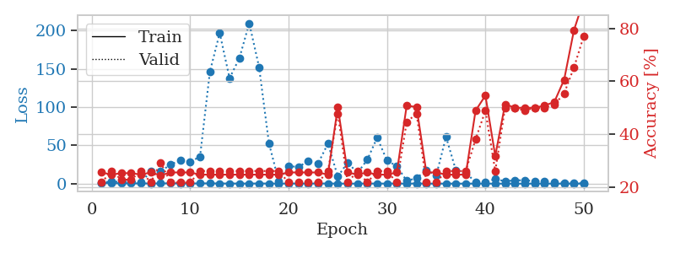
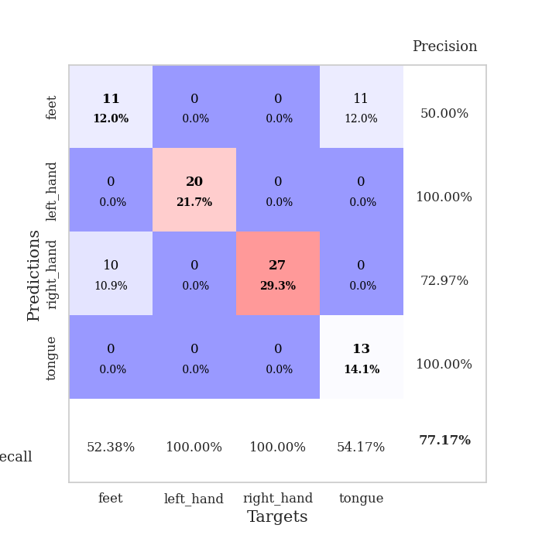
train_loss | valid_loss | train_accuracy | valid_accuracy | dur | train_misclass | valid_misclass
1.158948437 | 1.3912655737 | 0.25543478261 | 0.21739130435 | 0.089854955673 | 25.543478261 | 21.739130435
0.67697708762 | 3.0345628158 | 0.2472826087 | 0.26086956522 | 0.087266921997 | 24.72826087 | 26.086956522
0.51066396807 | 2.0854575738 | 0.2527173913 | 0.22826086957 | 0.08786034584 | 25.27173913 | 22.826086957
0.38256359813 | 3.0593644018 | 0.2527173913 | 0.22826086957 | 0.085835695267 | 25.27173913 | 22.826086957
0.33666886713 | 1.6490257927 | 0.2472826087 | 0.26086956522 | 0.086025714874 | 24.72826087 | 26.086956522
0.25176747273 | 16.091286369 | 0.25543478261 | 0.21739130435 | 0.085887908936 | 25.543478261 | 21.739130435
0.31099564258 | 16.221875481 | 0.24456521739 | 0.29347826087 | 0.086139202118 | 24.456521739 | 29.347826087
0.49963049672 | 24.835594426 | 0.25543478261 | 0.21739130435 | 0.086514472961 | 25.543478261 | 21.739130435
0.26038770847 | 30.744300345 | 0.25543478261 | 0.21739130435 | 0.086503982544 | 25.543478261 | 21.739130435
0.24845732003 | 28.433029507 | 0.25543478261 | 0.21739130435 | 0.08625459671 | 25.543478261 | 21.739130435
0.33145186775 | 35.309975748 | 0.2472826087 | 0.26086956522 | 0.086347341537 | 24.72826087 | 26.086956522
0.4182109078 | 146.16736271 | 0.2472826087 | 0.26086956522 | 0.086381196976 | 24.72826087 | 26.086956522
0.19452061941 | 196.77536741 | 0.2472826087 | 0.26086956522 | 0.086377382278 | 24.72826087 | 26.086956522
0.22177492519 | 137.82720184 | 0.2472826087 | 0.26086956522 | 0.086262702942 | 24.72826087 | 26.086956522
0.16358988036 | 163.93319171 | 0.2472826087 | 0.26086956522 | 0.08652305603 | 24.72826087 | 26.086956522
0.14963760389 | 209.62061144 | 0.2472826087 | 0.26086956522 | 0.086500883102 | 24.72826087 | 26.086956522
0.2282821877 | 152.29549707 | 0.2472826087 | 0.26086956522 | 0.086544275284 | 24.72826087 | 26.086956522
0.16273208218 | 52.988265494 | 0.2472826087 | 0.26086956522 | 0.086463451385 | 24.72826087 | 26.086956522
0.093571914684 | 3.0214400913 | 0.2472826087 | 0.26086956522 | 0.089308977127 | 24.72826087 | 26.086956522
0.17521248879 | 22.561246457 | 0.25543478261 | 0.21739130435 | 0.086776018143 | 25.543478261 | 21.739130435
0.16074594325 | 22.10366614 | 0.25543478261 | 0.21739130435 | 0.086752891541 | 25.543478261 | 21.739130435
0.15429706446 | 29.198602925 | 0.25543478261 | 0.21739130435 | 0.086869239807 | 25.543478261 | 21.739130435
0.18658086508 | 26.583423117 | 0.25543478261 | 0.21739130435 | 0.086890220642 | 25.543478261 | 21.739130435
0.20035823127 | 52.413787676 | 0.2472826087 | 0.26086956522 | 0.087001800537 | 24.72826087 | 26.086956522
0.11021870605 | 9.1922466444 | 0.5027173913 | 0.47826086957 | 0.08696937561 | 50.27173913 | 47.826086957
0.060896808282 | 27.695046466 | 0.25543478261 | 0.21739130435 | 0.087209701538 | 25.543478261 | 21.739130435
0.085934965912 | 13.912555238 | 0.2472826087 | 0.26086956522 | 0.087151765823 | 24.72826087 | 26.086956522
0.1950634362 | 31.303785739 | 0.25543478261 | 0.21739130435 | 0.087208986282 | 25.543478261 | 21.739130435
0.11302769778 | 60.176406031 | 0.2472826087 | 0.26086956522 | 0.087153673172 | 24.72826087 | 26.086956522
0.12240675311 | 30.113025416 | 0.2472826087 | 0.26086956522 | 0.08736205101 | 24.72826087 | 26.086956522
0.20741665631 | 22.932841342 | 0.25543478261 | 0.21739130435 | 0.086997747421 | 25.543478261 | 21.739130435
0.089893856491 | 3.7361418061 | 0.50815217391 | 0.44565217391 | 0.087092161179 | 50.815217391 | 44.565217391
0.24937589641 | 7.0604522954 | 0.5027173913 | 0.47826086957 | 0.087109327316 | 50.27173913 | 47.826086957
0.054917325731 | 17.813111181 | 0.25543478261 | 0.21739130435 | 0.087141036987 | 25.543478261 | 21.739130435
0.062931086321 | 10.5246111 | 0.25543478261 | 0.21739130435 | 0.087123155594 | 25.543478261 | 21.739130435
0.088652663682 | 61.151178775 | 0.2472826087 | 0.26086956522 | 0.087341070175 | 24.72826087 | 26.086956522
0.077705331005 | 17.462450898 | 0.2472826087 | 0.26086956522 | 0.087326288223 | 24.72826087 | 26.086956522
0.05812187913 | 13.917908171 | 0.2472826087 | 0.26086956522 | 0.087186336517 | 24.72826087 | 26.086956522
0.10094192167 | 2.1694600789 | 0.48913043478 | 0.38043478261 | 0.087116241455 | 48.913043478 | 38.043478261
0.044367733847 | 2.3439254346 | 0.54619565217 | 0.48913043478 | 0.086985111237 | 54.619565217 | 48.913043478
0.053863524125 | 5.9009503282 | 0.31793478261 | 0.26086956522 | 0.087783575058 | 31.793478261 | 26.086956522
0.026724276356 | 3.1465670959 | 0.51358695652 | 0.5 | 0.087124347687 | 51.358695652 | 50
0.058473330933 | 4.3333315849 | 0.5 | 0.5 | 0.087537050247 | 50 | 50
0.041237972889 | 4.4598394684 | 0.5 | 0.48913043478 | 0.087267875671 | 50 | 48.913043478
0.068682567135 | 3.2910601471 | 0.5 | 0.5 | 0.087218999863 | 50 | 50
0.10786983391 | 3.0448957837 | 0.50815217391 | 0.5 | 0.087371349335 | 50.815217391 | 50
0.028225022621 | 2.1866207019 | 0.52173913043 | 0.51086956522 | 0.087314367294 | 52.173913043 | 51.086956522
0.060900559031 | 1.2991280608 | 0.60597826087 | 0.55434782609 | 0.08757185936 | 60.597826087 | 55.434782609
0.085207885916 | 0.70745703189 | 0.79347826087 | 0.65217391304 | 0.087422609329 | 79.347826087 | 65.217391304
0.089978937475 | 0.40715365436 | 0.90760869565 | 0.77173913043 | 0.087249994278 | 90.760869565 | 77.173913043

Best Val accuracy is 0.7717391304347826 and Best test accuracy is 0.8793103448275862

Sheet8
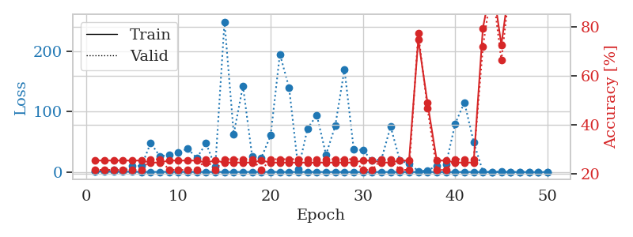
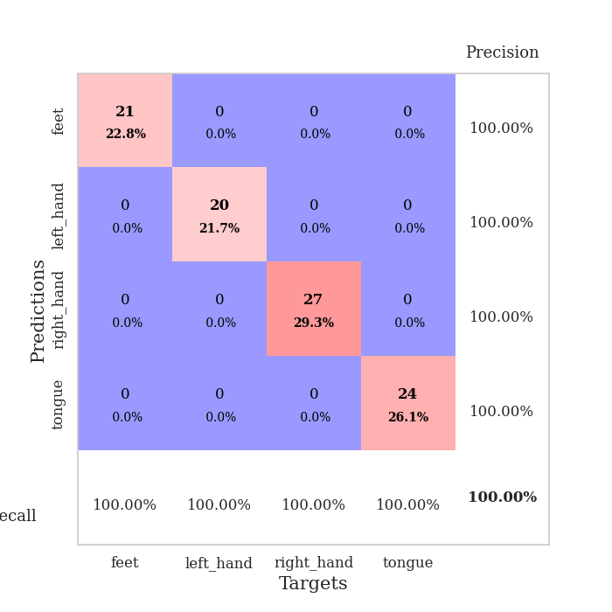
train_loss | valid_loss | train_accuracy | valid_accuracy | dur | train_misclass | valid_misclass
1.2009478367 | 1.5868001347 | 0.25543478261 | 0.21739130435 | 0.087805986404 | 25.543478261 | 21.739130435
0.77078155201 | 2.1626999793 | 0.25543478261 | 0.21739130435 | 0.086171865463 | 25.543478261 | 21.739130435
0.53587418924 | 3.7450534364 | 0.25543478261 | 0.21739130435 | 0.086270093918 | 25.543478261 | 21.739130435
0.55989790157 | 2.8025473823 | 0.25543478261 | 0.21739130435 | 0.086728334427 | 25.543478261 | 21.739130435
0.48330392462 | 10.640679442 | 0.25543478261 | 0.21739130435 | 0.086816072464 | 25.543478261 | 21.739130435
0.27131399804 | 9.7121498688 | 0.25543478261 | 0.21739130435 | 0.08690237999 | 25.543478261 | 21.739130435
0.27245065894 | 48.116800889 | 0.2472826087 | 0.26086956522 | 0.086971759796 | 24.72826087 | 26.086956522
0.25760958182 | 26.018471345 | 0.2472826087 | 0.26086956522 | 0.087131023407 | 24.72826087 | 26.086956522
0.33164689269 | 28.102806423 | 0.25543478261 | 0.21739130435 | 0.086520195007 | 25.543478261 | 21.739130435
0.33349124585 | 32.485999563 | 0.25543478261 | 0.21739130435 | 0.08691740036 | 25.543478261 | 21.739130435
0.24157029536 | 38.613884801 | 0.25543478261 | 0.21739130435 | 0.086753845215 | 25.543478261 | 21.739130435
0.19528315143 | 23.232020751 | 0.25543478261 | 0.21739130435 | 0.086531639099 | 25.543478261 | 21.739130435
0.21265954719 | 47.467200901 | 0.2472826087 | 0.26086956522 | 0.086649894714 | 24.72826087 | 26.086956522
0.14782835389 | 8.3950447829 | 0.25543478261 | 0.21739130435 | 0.086581230164 | 25.543478261 | 21.739130435
0.163431881 | 248.67127526 | 0.2472826087 | 0.26086956522 | 0.086810588837 | 24.72826087 | 26.086956522
0.14208566219 | 62.993133545 | 0.2472826087 | 0.26086956522 | 0.0866792202 | 24.72826087 | 26.086956522
0.15489766504 | 142.38416522 | 0.2472826087 | 0.26086956522 | 0.08657002449 | 24.72826087 | 26.086956522
0.19488134792 | 25.471094214 | 0.2472826087 | 0.26086956522 | 0.086719036102 | 24.72826087 | 26.086956522
0.22277785805 | 23.837332104 | 0.25543478261 | 0.21739130435 | 0.086973428726 | 25.543478261 | 21.739130435
0.23779754349 | 60.476374253 | 0.2472826087 | 0.26086956522 | 0.086604118347 | 24.72826087 | 26.086956522
0.21480052465 | 195.03001404 | 0.2472826087 | 0.26086956522 | 0.086664915085 | 24.72826087 | 26.086956522
0.10921153637 | 139.52464892 | 0.2472826087 | 0.26086956522 | 0.086847066879 | 24.72826087 | 26.086956522
0.1675199182 | 4.8695343059 | 0.2472826087 | 0.26086956522 | 0.086911201477 | 24.72826087 | 26.086956522
0.1459325352 | 71.89771022 | 0.2472826087 | 0.26086956522 | 0.086520433426 | 24.72826087 | 26.086956522
0.16915253007 | 94.246276855 | 0.2472826087 | 0.26086956522 | 0.086688518524 | 24.72826087 | 26.086956522
0.083444791482 | 28.703087848 | 0.2472826087 | 0.26086956522 | 0.086943387985 | 24.72826087 | 26.086956522
0.18118541971 | 76.207239234 | 0.2472826087 | 0.26086956522 | 0.086660861969 | 24.72826087 | 26.086956522
0.1095351633 | 170.11686308 | 0.2472826087 | 0.26086956522 | 0.086727142334 | 24.72826087 | 26.086956522
0.046661347637 | 37.864758865 | 0.2472826087 | 0.26086956522 | 0.086562156677 | 24.72826087 | 26.086956522
0.069525603671 | 36.019927149 | 0.25543478261 | 0.21739130435 | 0.086805343628 | 25.543478261 | 21.739130435
0.14766536534 | 19.052950901 | 0.25543478261 | 0.21739130435 | 0.086819887161 | 25.543478261 | 21.739130435
0.089567521263 | 20.677643403 | 0.2472826087 | 0.26086956522 | 0.086782693863 | 24.72826087 | 26.086956522
0.087845778558 | 75.321648307 | 0.2472826087 | 0.26086956522 | 0.086644172668 | 24.72826087 | 26.086956522
0.071186807452 | 19.177316168 | 0.25543478261 | 0.21739130435 | 0.086764097214 | 25.543478261 | 21.739130435
0.046090722934 | 14.26360064 | 0.25543478261 | 0.21739130435 | 0.086868524551 | 25.543478261 | 21.739130435
0.095118625019 | 1.581288685 | 0.7472826087 | 0.77173913043 | 0.086796522141 | 74.72826087 | 77.173913043
0.10173402368 | 2.4901688721 | 0.48913043478 | 0.46739130435 | 0.087142467499 | 48.913043478 | 46.739130435
0.046560507207 | 10.364057748 | 0.25543478261 | 0.21739130435 | 0.086633443832 | 25.543478261 | 21.739130435
0.031344657306 | 12.782573161 | 0.25543478261 | 0.21739130435 | 0.086626529694 | 25.543478261 | 21.739130435
0.068051115579 | 80.054143823 | 0.2472826087 | 0.26086956522 | 0.086823225021 | 24.72826087 | 26.086956522
0.073852555492 | 115.20767909 | 0.2472826087 | 0.26086956522 | 0.086747169495 | 24.72826087 | 26.086956522
0.14366696246 | 49.681100762 | 0.2472826087 | 0.26086956522 | 0.086770534515 | 24.72826087 | 26.086956522
0.10308313445 | 0.78873976482 | 0.79347826087 | 0.71739130435 | 0.086797714233 | 79.347826087 | 71.739130435
0.029915405377 | 0.14218939161 | 0.98641304348 | 0.96739130435 | 0.086666584015 | 98.641304348 | 96.739130435
0.024599103783 | 1.126684724 | 0.72554347826 | 0.66304347826 | 0.086754083633 | 72.554347826 | 66.304347826
0.091669978867 | 0.056911434978 | 1 | 0.98913043478 | 0.086631298065 | 100 | 98.913043478
0.057320377304 | 0.08381984966 | 1 | 1 | 0.087168455124 | 100 | 100
0.052314504434 | 0.047863160098 | 1 | 0.97826086957 | 0.08707690239 | 100 | 97.826086957
0.029594860991 | 0.056105664992 | 1 | 0.97826086957 | 0.086531639099 | 100 | 97.826086957
0.083798668044 | 0.052616438727 | 1 | 0.97826086957 | 0.086648225784 | 100 | 97.826086957

Best Val accuracy is 1.0 and Best test accuracy is 0.9827586206896551

Sheet9
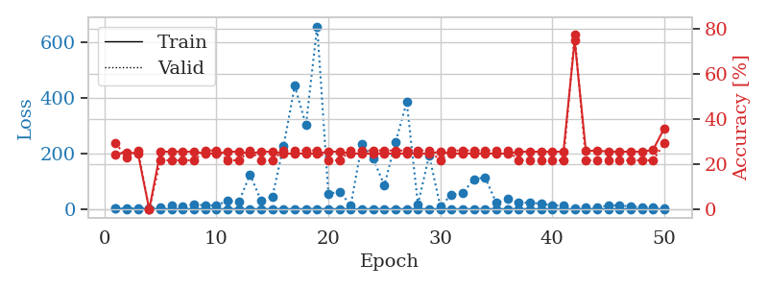
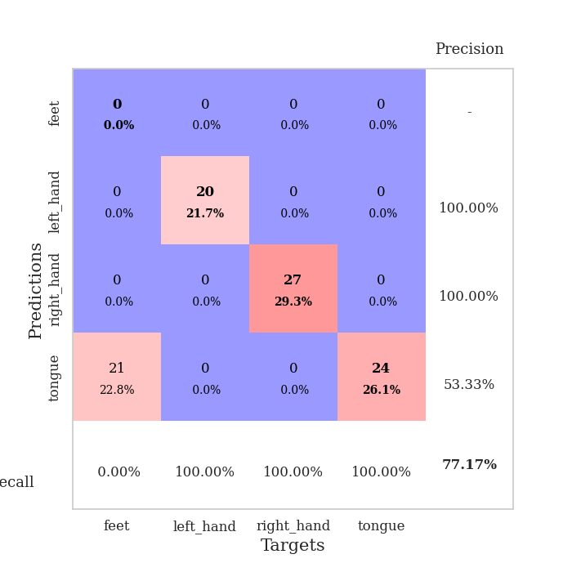
train_loss | valid_loss | train_accuracy | valid_accuracy | dur | train_misclass | valid_misclass
1.1222122882 | 1.3997464128 | 0.24456521739 | 0.29347826087 | 0.087688446045 | 24.456521739 | 29.347826087
0.60001767589 | 1.6902664848 | 0.2527173913 | 0.22826086957 | 0.085000753403 | 25.27173913 | 22.826086957
0.48841665685 | 2.9031928 | 0.2472826087 | 0.26086956522 | 0.084920883179 | 24.72826087 | 26.086956522
0.39156947058 | 2.033976078 | 0 | 0 | 0.084892511368 | 0 | 0
0.29556947412 | 7.102756832 | 0.25543478261 | 0.21739130435 | 0.085192680359 | 25.543478261 | 21.739130435
0.36178535191 | 11.670103488 | 0.25543478261 | 0.21739130435 | 0.08598279953 | 25.543478261 | 21.739130435
0.39711902809 | 9.9129408546 | 0.25543478261 | 0.21739130435 | 0.086040973663 | 25.543478261 | 21.739130435
0.45703730343 | 15.987471954 | 0.25543478261 | 0.21739130435 | 0.086359024048 | 25.543478261 | 21.739130435
0.32419640117 | 13.496752076 | 0.2472826087 | 0.26086956522 | 0.085251331329 | 24.72826087 | 26.086956522
0.17014745963 | 12.488114398 | 0.2472826087 | 0.26086956522 | 0.085119247437 | 24.72826087 | 26.086956522
0.30295310372 | 30.542999931 | 0.25543478261 | 0.21739130435 | 0.085250377655 | 25.543478261 | 21.739130435
0.1347899543 | 25.188878267 | 0.25543478261 | 0.21739130435 | 0.085285663605 | 25.543478261 | 21.739130435
0.25592729741 | 124.17840974 | 0.2472826087 | 0.26086956522 | 0.085363864899 | 24.72826087 | 26.086956522
0.20096604753 | 29.363038436 | 0.25543478261 | 0.21739130435 | 0.08517575264 | 25.543478261 | 21.739130435
0.25534476275 | 45.321198671 | 0.25543478261 | 0.21739130435 | 0.08539390564 | 25.543478261 | 21.739130435
0.12225779988 | 226.1831267 | 0.2472826087 | 0.26086956522 | 0.085441112518 | 24.72826087 | 26.086956522
0.19560822407 | 443.21103171 | 0.2472826087 | 0.26086956522 | 0.085291862488 | 24.72826087 | 26.086956522
0.12900772634 | 301.88827117 | 0.2472826087 | 0.26086956522 | 0.085270166397 | 24.72826087 | 26.086956522
0.44814070249 | 657.12768555 | 0.2472826087 | 0.26086956522 | 0.085200786591 | 24.72826087 | 26.086956522
0.28144667844 | 54.413448002 | 0.25543478261 | 0.21739130435 | 0.085273742676 | 25.543478261 | 21.739130435
0.13925233661 | 62.997979869 | 0.25543478261 | 0.21739130435 | 0.085367202759 | 25.543478261 | 21.739130435
0.12844975054 | 13.728145434 | 0.2472826087 | 0.26086956522 | 0.085258245468 | 24.72826087 | 26.086956522
0.15981489424 | 234.23054106 | 0.2472826087 | 0.26086956522 | 0.085174798965 | 24.72826087 | 26.086956522
0.18803776292 | 181.32532335 | 0.2472826087 | 0.26086956522 | 0.085277318954 | 24.72826087 | 26.086956522
0.19710411463 | 85.435808928 | 0.2472826087 | 0.26086956522 | 0.085220098495 | 24.72826087 | 26.086956522
0.19128943267 | 240.27417059 | 0.2472826087 | 0.26086956522 | 0.085248947144 | 24.72826087 | 26.086956522
0.23704771412 | 384.56204887 | 0.2472826087 | 0.26086956522 | 0.085255861282 | 24.72826087 | 26.086956522
0.17236540803 | 16.221354941 | 0.2472826087 | 0.26086956522 | 0.085306167603 | 24.72826087 | 26.086956522
0.19079188286 | 192.89780791 | 0.2472826087 | 0.26086956522 | 0.087280511856 | 24.72826087 | 26.086956522
0.10072036343 | 9.8540734001 | 0.25543478261 | 0.21739130435 | 0.086980819702 | 25.543478261 | 21.739130435
0.090666909601 | 51.513854483 | 0.2472826087 | 0.26086956522 | 0.086370944977 | 24.72826087 | 26.086956522
0.080909421586 | 57.864474919 | 0.2472826087 | 0.26086956522 | 0.086440324783 | 24.72826087 | 26.086956522
0.049672994054 | 107.25385815 | 0.2472826087 | 0.26086956522 | 0.086371660233 | 24.72826087 | 26.086956522
0.089161219764 | 114.04221643 | 0.2472826087 | 0.26086956522 | 0.086426973343 | 24.72826087 | 26.086956522
0.092670624914 | 21.789605265 | 0.2472826087 | 0.26086956522 | 0.086421251297 | 24.72826087 | 26.086956522
0.056015023982 | 37.177367335 | 0.2472826087 | 0.26086956522 | 0.086420536041 | 24.72826087 | 26.086956522
0.085857960821 | 21.980695724 | 0.25543478261 | 0.21739130435 | 0.086313962936 | 25.543478261 | 21.739130435
0.069059061129 | 23.440261426 | 0.25543478261 | 0.21739130435 | 0.08678650856 | 25.543478261 | 21.739130435
0.079637338853 | 19.198495699 | 0.25543478261 | 0.21739130435 | 0.086332559586 | 25.543478261 | 21.739130435
0.062730695688 | 13.132822451 | 0.25543478261 | 0.21739130435 | 0.086316108704 | 25.543478261 | 21.739130435
0.049864961371 | 11.862740061 | 0.25543478261 | 0.21739130435 | 0.086253881454 | 25.543478261 | 21.739130435
0.059746314812 | 1.0730580662 | 0.7472826087 | 0.77173913043 | 0.08633518219 | 74.72826087 | 77.173913043
0.057582976944 | 6.3884419151 | 0.25815217391 | 0.21739130435 | 0.086561441422 | 25.815217391 | 21.739130435
0.098576177802 | 5.4156763657 | 0.26086956522 | 0.21739130435 | 0.086597919464 | 26.086956522 | 21.739130435
0.12896216547 | 13.251362469 | 0.25543478261 | 0.21739130435 | 0.086363554001 | 25.543478261 | 21.739130435
0.065904081414 | 13.054168743 | 0.25543478261 | 0.21739130435 | 0.086264371872 | 25.543478261 | 21.739130435
0.05062059801 | 9.3301567409 | 0.25543478261 | 0.21739130435 | 0.086477041245 | 25.543478261 | 21.739130435
0.069817375169 | 6.5285975207 | 0.25543478261 | 0.21739130435 | 0.092153310776 | 25.543478261 | 21.739130435
0.12219412852 | 5.003830889 | 0.26358695652 | 0.21739130435 | 0.086736440659 | 26.358695652 | 21.739130435
0.041129506517 | 3.7505086401 | 0.35869565217 | 0.29347826087 | 0.086400747299 | 35.869565217 | 29.347826087

Best Val accuracy is 0.7717391304347826 and Best test accuracy is 0.7413793103448276

Sheet10
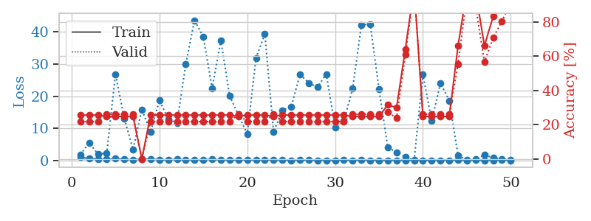
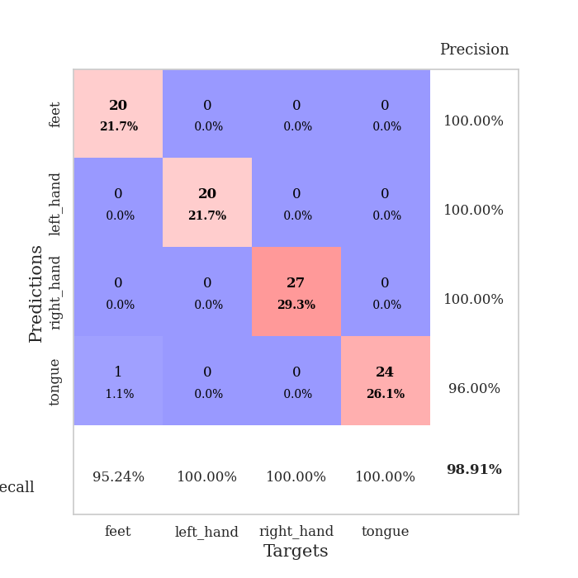
train_loss | valid_loss | train_accuracy | valid_accuracy | dur | train_misclass | valid_misclass
1.0768567946 | 1.8250245633 | 0.25543478261 | 0.21739130435 | 0.087795495987 | 25.543478261 | 21.739130435
0.59049933112 | 5.4757390852 | 0.25543478261 | 0.21739130435 | 0.088318824768 | 25.543478261 | 21.739130435
0.41161162827 | 2.0807015067 | 0.25543478261 | 0.21739130435 | 0.086119651794 | 25.543478261 | 21.739130435
0.36115437876 | 2.2341968599 | 0.2472826087 | 0.26086956522 | 0.086304664612 | 24.72826087 | 26.086956522
0.55832210572 | 26.890845506 | 0.2472826087 | 0.26086956522 | 0.086896657944 | 24.72826087 | 26.086956522
0.34748430242 | 13.140111052 | 0.2472826087 | 0.26086956522 | 0.086168527603 | 24.72826087 | 26.086956522
0.25797915005 | 3.4594255427 | 0.2472826087 | 0.26086956522 | 0.086212873459 | 24.72826087 | 26.086956522
0.41850144287 | 15.853102477 | 0 | 0 | 0.085993528366 | 0 | 0
0.41170869897 | 8.908760444 | 0.25543478261 | 0.21739130435 | 0.086181402206 | 25.543478261 | 21.739130435
0.23498647433 | 18.740985456 | 0.25543478261 | 0.21739130435 | 0.086371660233 | 25.543478261 | 21.739130435
0.20033503178 | 12.920747798 | 0.25543478261 | 0.21739130435 | 0.086634159088 | 25.543478261 | 21.739130435
0.35511462633 | 11.695013171 | 0.25543478261 | 0.21739130435 | 0.086521148682 | 25.543478261 | 21.739130435
0.20511619569 | 29.918544603 | 0.25543478261 | 0.21739130435 | 0.086421012878 | 25.543478261 | 21.739130435
0.19508022175 | 43.660380322 | 0.25543478261 | 0.21739130435 | 0.086494922638 | 25.543478261 | 21.739130435
0.22913372314 | 38.471126391 | 0.25543478261 | 0.21739130435 | 0.089415550232 | 25.543478261 | 21.739130435
0.3851492477 | 22.49871254 | 0.25543478261 | 0.21739130435 | 0.088027238846 | 25.543478261 | 21.739130435
0.16497602816 | 37.388794443 | 0.25543478261 | 0.21739130435 | 0.087643146515 | 25.543478261 | 21.739130435
0.16165949501 | 20.065025247 | 0.25543478261 | 0.21739130435 | 0.087778091431 | 25.543478261 | 21.739130435
0.15222712003 | 14.152846005 | 0.2472826087 | 0.26086956522 | 0.087165594101 | 24.72826087 | 26.086956522
0.23711250982 | 8.2840080676 | 0.25543478261 | 0.21739130435 | 0.087204694748 | 25.543478261 | 21.739130435
0.17247780477 | 31.936072474 | 0.25543478261 | 0.21739130435 | 0.087379932404 | 25.543478261 | 21.739130435
0.1940131611 | 39.379084546 | 0.25543478261 | 0.21739130435 | 0.087611198425 | 25.543478261 | 21.739130435
0.1935808919 | 8.858042717 | 0.2472826087 | 0.26086956522 | 0.088699102402 | 24.72826087 | 26.086956522
0.1037915808 | 15.640146421 | 0.25543478261 | 0.21739130435 | 0.088274478912 | 25.543478261 | 21.739130435
0.065997449884 | 16.63946301 | 0.25543478261 | 0.21739130435 | 0.086903810501 | 25.543478261 | 21.739130435
0.11716360032 | 26.809345743 | 0.25543478261 | 0.21739130435 | 0.087137937546 | 25.543478261 | 21.739130435
0.11216267395 | 24.130417782 | 0.25543478261 | 0.21739130435 | 0.08740568161 | 25.543478261 | 21.739130435
0.084108642019 | 22.849324848 | 0.25543478261 | 0.21739130435 | 0.088145017624 | 25.543478261 | 21.739130435
0.067435813076 | 26.901518449 | 0.25543478261 | 0.21739130435 | 0.086925983429 | 25.543478261 | 21.739130435
0.044081350748 | 10.38604699 | 0.25543478261 | 0.21739130435 | 0.087394714355 | 25.543478261 | 21.739130435
0.093955658984 | 12.303943136 | 0.25543478261 | 0.21739130435 | 0.087452411652 | 25.543478261 | 21.739130435
0.062316030912 | 22.402612686 | 0.2472826087 | 0.26086956522 | 0.087521076202 | 24.72826087 | 26.086956522
0.12821759407 | 42.261749102 | 0.2472826087 | 0.26086956522 | 0.087378501892 | 24.72826087 | 26.086956522
0.066119176376 | 42.426742388 | 0.2472826087 | 0.26086956522 | 0.087411403656 | 24.72826087 | 26.086956522
0.031719460618 | 22.25368591 | 0.2472826087 | 0.26086956522 | 0.087491035461 | 24.72826087 | 26.086956522
0.076628158689 | 4.1129454944 | 0.3152173913 | 0.27173913043 | 0.08730173111 | 31.52173913 | 27.173913043
0.060168340438 | 2.5611734079 | 0.29891304348 | 0.23913043478 | 0.087929010391 | 29.891304348 | 23.913043478
0.061351930824 | 1.0151727977 | 0.64130434783 | 0.60869565217 | 0.087603092194 | 64.130434783 | 60.869565217
0.053983276345 | 0.088129430037 | 1 | 0.98913043478 | 0.087740421295 | 100 | 98.913043478
0.069974131882 | 26.750478247 | 0.2472826087 | 0.26086956522 | 0.088456630707 | 24.72826087 | 26.086956522
0.051409392952 | 12.305655645 | 0.2472826087 | 0.26086956522 | 0.087913751602 | 24.72826087 | 26.086956522
0.058254294381 | 24.123466243 | 0.2472826087 | 0.26086956522 | 0.087764024734 | 24.72826087 | 26.086956522
0.054063824431 | 18.608502181 | 0.2472826087 | 0.26086956522 | 0.087805747986 | 24.72826087 | 26.086956522
0.10336814128 | 1.5116297162 | 0.66032608696 | 0.55434782609 | 0.087502002716 | 66.032608696 | 55.434782609
0.041537870673 | 0.27879650324 | 0.98097826087 | 0.94565217391 | 0.089439868927 | 98.097826087 | 94.565217391
0.10321552813 | 0.32561121427 | 0.97554347826 | 0.89130434783 | 0.086714982986 | 97.554347826 | 89.130434783
0.037484968749 | 1.7312846391 | 0.66032608696 | 0.5652173913 | 0.087342500687 | 66.032608696 | 56.52173913
0.078556391208 | 0.8400946104 | 0.83152173913 | 0.70652173913 | 0.085041284561 | 83.152173913 | 70.652173913
0.11831960015 | 0.47131083387 | 0.94565217391 | 0.80434782609 | 0.085148334503 | 94.565217391 | 80.434782609
0.056676112176 | 0.29764097605 | 0.98913043478 | 0.91304347826 | 0.085366249084 | 98.913043478 | 91.304347826

Best Val accuracy is 0.9891304347826086 and Best test accuracy is 0.9827586206896551

