Sheet
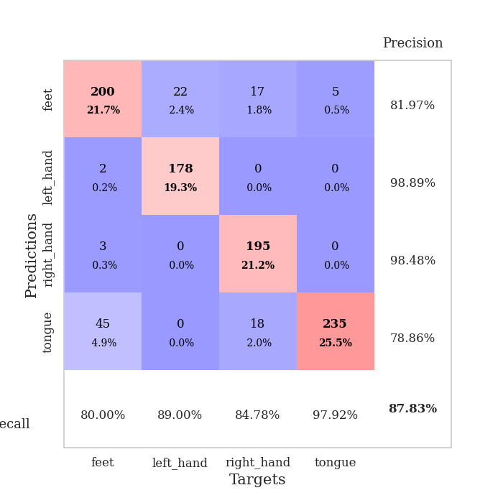

best_val_acc | best_val_los | best_test_acc
0.96739130435 | 0.057587391818 | 0.95689655172
0.94565217391 | 0.23301900672 | 0.91379310345
0.61956521739 | 1.4201587439 | 0.63793103448
0.98913043478 | 0.12867267857 | 0.98275862069
0.97826086957 | 0.18012446651 | 0.93103448276
0.75 | 0.61826398062 | 0.71551724138
0.72826086957 | 1.0480338024 | 0.75
0.84782608696 | 0.53803363831 | 0.88793103448
0.98913043478 | 0.067780194521 | 0.96551724138
0.96739130435 | 0.15848060398 | 0.96551724138

Mean,std Val accuracy is 0.8782608695652174 , 0.13408734499965652 and mean, std test accuracy is 0.8706896551724137 , 0.12319512132313802

Sheet1
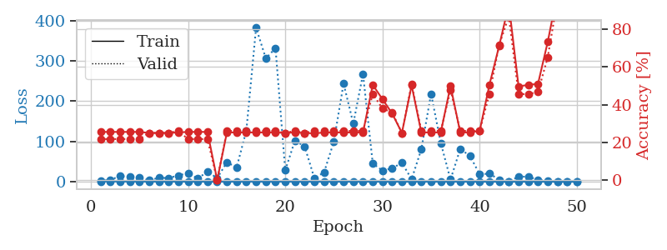
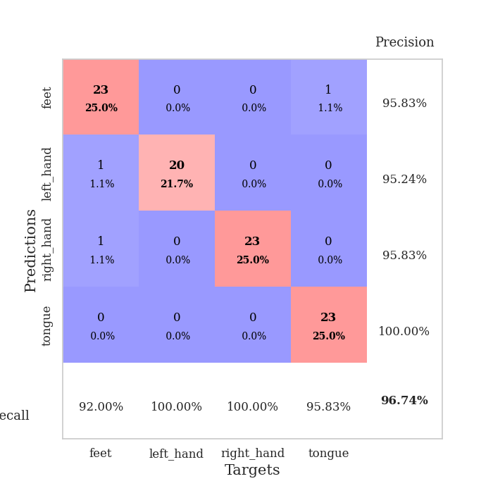
train_loss | valid_loss | train_accuracy | valid_accuracy | dur | train_misclass | valid_misclass
1.0286095091 | 2.2623568721 | 0.25543478261 | 0.21739130435 | 0.087520599365 | 25.543478261 | 21.739130435
0.73715060431 | 4.3157134056 | 0.25543478261 | 0.21739130435 | 0.085648298264 | 25.543478261 | 21.739130435
0.48519575855 | 14.044467138 | 0.25543478261 | 0.21739130435 | 0.085792064667 | 25.543478261 | 21.739130435
0.44643270905 | 11.902306723 | 0.25543478261 | 0.21739130435 | 0.085658550262 | 25.543478261 | 21.739130435
0.30659747027 | 9.7235828483 | 0.25543478261 | 0.21739130435 | 0.085330486298 | 25.543478261 | 21.739130435
0.34423357507 | 3.4536369054 | 0.25 | 0.25 | 0.085516214371 | 25 | 25
0.17136525468 | 9.5995954016 | 0.25 | 0.25 | 0.086044073105 | 25 | 25
0.25531629522 | 9.1968887578 | 0.25 | 0.25 | 0.085613012314 | 25 | 25
0.24591148248 | 15.327315165 | 0.2527173913 | 0.26086956522 | 0.085722923279 | 25.27173913 | 26.086956522
0.15432814209 | 21.481509167 | 0.25543478261 | 0.21739130435 | 0.086162090302 | 25.543478261 | 21.739130435
0.12542137062 | 7.4706471277 | 0.25543478261 | 0.21739130435 | 0.086213350296 | 25.543478261 | 21.739130435
0.13829052272 | 25.306797608 | 0.25543478261 | 0.21739130435 | 0.085755825043 | 25.543478261 | 21.739130435
0.17571624239 | 8.7211052438 | 0 | 0 | 0.086440563202 | 0 | 0
0.1081412769 | 48.431996387 | 0.2527173913 | 0.26086956522 | 0.08651304245 | 25.27173913 | 26.086956522
0.11604382934 | 35.250016254 | 0.2527173913 | 0.26086956522 | 0.08696770668 | 25.27173913 | 26.086956522
0.28008037783 | 127.05406819 | 0.2527173913 | 0.26086956522 | 0.088531970978 | 25.27173913 | 26.086956522
0.19691906837 | 382.60883763 | 0.2527173913 | 0.26086956522 | 0.087608575821 | 25.27173913 | 26.086956522
0.084835566945 | 306.49994295 | 0.2527173913 | 0.26086956522 | 0.087381601334 | 25.27173913 | 26.086956522
0.10659569338 | 331.82280831 | 0.2527173913 | 0.26086956522 | 0.086998701096 | 25.27173913 | 26.086956522
0.15558799306 | 28.19288627 | 0.25 | 0.25 | 0.087571144104 | 25 | 25
0.081681179308 | 102.27421139 | 0.2527173913 | 0.26086956522 | 0.087348461151 | 25.27173913 | 26.086956522
0.12733060499 | 87.34586865 | 0.25 | 0.25 | 0.087483406067 | 25 | 25
0.097326805845 | 8.369319045 | 0.2472826087 | 0.26086956522 | 0.087362527847 | 24.72826087 | 26.086956522
0.096287688129 | 23.50146078 | 0.2527173913 | 0.26086956522 | 0.087295770645 | 25.27173913 | 26.086956522
0.075956686562 | 99.545561749 | 0.2527173913 | 0.26086956522 | 0.087373256683 | 25.27173913 | 26.086956522
0.11930588832 | 243.92992103 | 0.2527173913 | 0.26086956522 | 0.087267875671 | 25.27173913 | 26.086956522
0.042798397599 | 144.55525539 | 0.2527173913 | 0.26086956522 | 0.08714389801 | 25.27173913 | 26.086956522
0.041301271519 | 267.44309799 | 0.2527173913 | 0.26086956522 | 0.087418317795 | 25.27173913 | 26.086956522
0.074255989404 | 45.405733357 | 0.50543478261 | 0.45652173913 | 0.086949110031 | 50.543478261 | 45.652173913
0.053678025678 | 27.590896275 | 0.42934782609 | 0.38043478261 | 0.087395429611 | 42.934782609 | 38.043478261
0.02376308755 | 33.417120063 | 0.35326086957 | 0.35869565217 | 0.087672472 | 35.326086957 | 35.869565217
0.036360142497 | 46.864539934 | 0.25 | 0.25 | 0.086942672729 | 25 | 25
0.037366411447 | 6.2076537091 | 0.5027173913 | 0.51086956522 | 0.087193489075 | 50.27173913 | 51.086956522
0.047541842087 | 80.767838188 | 0.2527173913 | 0.26086956522 | 0.087433338165 | 25.27173913 | 26.086956522
0.020848851667 | 218.53196716 | 0.2527173913 | 0.26086956522 | 0.087386369705 | 25.27173913 | 26.086956522
0.021990785091 | 95.950216542 | 0.2527173913 | 0.26086956522 | 0.087466716766 | 25.27173913 | 26.086956522
0.064588133995 | 5.2499366221 | 0.5 | 0.47826086957 | 0.087460279465 | 50 | 47.826086957
0.02835494715 | 81.278118963 | 0.2527173913 | 0.26086956522 | 0.087740182877 | 25.27173913 | 26.086956522
0.021139493675 | 64.189885513 | 0.2527173913 | 0.26086956522 | 0.087436676025 | 25.27173913 | 26.086956522
0.032604947241 | 18.243688086 | 0.26086956522 | 0.26086956522 | 0.087392091751 | 26.086956522 | 26.086956522
0.023284115593 | 20.076654185 | 0.50543478261 | 0.45652173913 | 0.087468862534 | 50.543478261 | 45.652173913
0.014833354632 | 5.1161057223 | 0.71195652174 | 0.71739130435 | 0.087403059006 | 71.195652174 | 71.739130435
0.042008447582 | 0.36685509526 | 0.93206521739 | 0.86956521739 | 0.087705850601 | 93.206521739 | 86.956521739
0.038112176683 | 12.615553773 | 0.4972826087 | 0.45652173913 | 0.087680578232 | 49.72826087 | 45.652173913
0.015294795851 | 12.424139562 | 0.50543478261 | 0.45652173913 | 0.087298870087 | 50.543478261 | 45.652173913
0.010954243674 | 4.8361820138 | 0.51086956522 | 0.46739130435 | 0.087585449219 | 51.086956522 | 46.739130435
0.012854598857 | 1.1935262991 | 0.73369565217 | 0.65217391304 | 0.087462425232 | 73.369565217 | 65.217391304
0.037216685986 | 0.15704867179 | 0.99456521739 | 0.95652173913 | 0.087469577789 | 99.456521739 | 95.652173913
0.015467063573 | 0.076861740616 | 1 | 0.96739130435 | 0.087879419327 | 100 | 96.739130435
0.031185065143 | 0.057587391818 | 1 | 0.96739130435 | 0.08776307106 | 100 | 96.739130435

Best Val accuracy is 0.967391304347826 and Best test accuracy is 0.9568965517241379

Sheet2
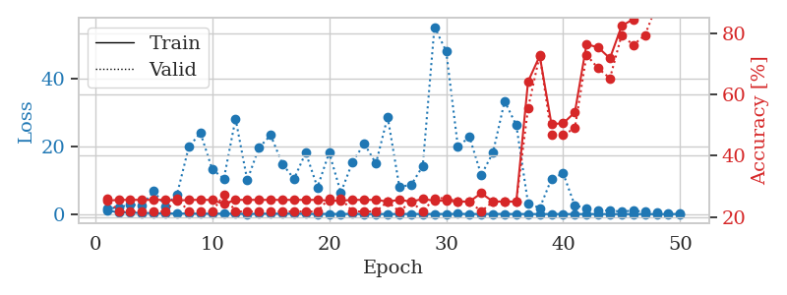
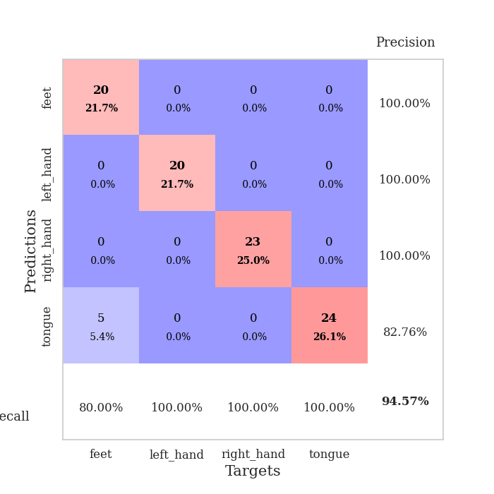
train_loss | valid_loss | train_accuracy | valid_accuracy | dur | train_misclass | valid_misclass
1.0459124731 | 1.5888722202 | 0.2527173913 | 0.26086956522 | 0.089555978775 | 25.27173913 | 26.086956522
0.56563586126 | 1.9736833054 | 0.25543478261 | 0.21739130435 | 0.086268663406 | 25.543478261 | 21.739130435
0.48675734388 | 2.8263676374 | 0.25543478261 | 0.21739130435 | 0.086281299591 | 25.543478261 | 21.739130435
0.33846214932 | 2.4978266281 | 0.25543478261 | 0.21739130435 | 0.086198091507 | 25.543478261 | 21.739130435
0.29685595146 | 6.7864112854 | 0.25543478261 | 0.21739130435 | 0.086599588394 | 25.543478261 | 21.739130435
0.21112933625 | 2.3423607764 | 0.25543478261 | 0.21739130435 | 0.086859226227 | 25.543478261 | 21.739130435
0.16695828695 | 5.8499044128 | 0.2527173913 | 0.26086956522 | 0.086490392685 | 25.27173913 | 26.086956522
0.18915356906 | 19.764747454 | 0.25543478261 | 0.21739130435 | 0.08455491066 | 25.543478261 | 21.739130435
0.11120116796 | 23.919612802 | 0.25543478261 | 0.21739130435 | 0.084612607956 | 25.543478261 | 21.739130435
0.15508890354 | 13.239142667 | 0.25543478261 | 0.21739130435 | 0.08476805687 | 25.543478261 | 21.739130435
0.13348836828 | 10.396989864 | 0.24184782609 | 0.27173913043 | 0.085252761841 | 24.184782609 | 27.173913043
0.13333969924 | 28.086923102 | 0.25543478261 | 0.21739130435 | 0.085464000702 | 25.543478261 | 21.739130435
0.060339503668 | 9.9746825591 | 0.25543478261 | 0.21739130435 | 0.085388183594 | 25.543478261 | 21.739130435
0.11321489315 | 19.564933196 | 0.25543478261 | 0.21739130435 | 0.085335969925 | 25.543478261 | 21.739130435
0.14330182154 | 23.233152555 | 0.25543478261 | 0.21739130435 | 0.085343837738 | 25.543478261 | 21.739130435
0.13321538296 | 14.792107375 | 0.25543478261 | 0.21739130435 | 0.085359573364 | 25.543478261 | 21.739130435
0.18167061812 | 10.369888679 | 0.25543478261 | 0.21739130435 | 0.0857462883 | 25.543478261 | 21.739130435
0.091595670355 | 18.125937503 | 0.25543478261 | 0.21739130435 | 0.086208343506 | 25.543478261 | 21.739130435
0.061774745462 | 7.8595319831 | 0.25543478261 | 0.21739130435 | 0.085870504379 | 25.543478261 | 21.739130435
0.075202388709 | 18.11448885 | 0.2527173913 | 0.26086956522 | 0.086463928223 | 25.27173913 | 26.086956522
0.040533456746 | 6.3437974557 | 0.2527173913 | 0.26086956522 | 0.086215257645 | 25.27173913 | 26.086956522
0.082939003969 | 15.352496437 | 0.25543478261 | 0.21739130435 | 0.085676431656 | 25.543478261 | 21.739130435
0.022461625317 | 20.745044128 | 0.25543478261 | 0.21739130435 | 0.085879325867 | 25.543478261 | 21.739130435
0.030913869936 | 14.897579608 | 0.25543478261 | 0.21739130435 | 0.085803985596 | 25.543478261 | 21.739130435
0.043577869043 | 28.653553092 | 0.25 | 0.25 | 0.085727453232 | 25 | 25
0.036512918963 | 8.1103033398 | 0.25543478261 | 0.21739130435 | 0.085775852203 | 25.543478261 | 21.739130435
0.074649263953 | 8.5323638916 | 0.25 | 0.25 | 0.086012363434 | 25 | 25
0.024926693224 | 14.136660617 | 0.25815217391 | 0.21739130435 | 0.085774183273 | 25.815217391 | 21.739130435
0.058117243017 | 55.061171656 | 0.2527173913 | 0.26086956522 | 0.085742473602 | 25.27173913 | 26.086956522
0.039872781165 | 47.991600866 | 0.2527173913 | 0.26086956522 | 0.086052656174 | 25.27173913 | 26.086956522
0.083981760292 | 19.966258422 | 0.25 | 0.25 | 0.0857899189 | 25 | 25
0.051012009547 | 22.673117182 | 0.25 | 0.25 | 0.086323261261 | 25 | 25
0.042945038555 | 11.484166311 | 0.27717391304 | 0.21739130435 | 0.085978269577 | 27.717391304 | 21.739130435
0.075549780109 | 18.095145433 | 0.25 | 0.25 | 0.085758924484 | 25 | 25
0.044059415603 | 33.2454183 | 0.25 | 0.25 | 0.085460186005 | 25 | 25
0.036057352924 | 26.138617474 | 0.25 | 0.25 | 0.085432767868 | 25 | 25
0.051601849846 | 3.2159831109 | 0.64130434783 | 0.55434782609 | 0.085663557053 | 64.130434783 | 55.434782609
0.01391990635 | 1.803907949 | 0.72554347826 | 0.72826086957 | 0.085707187653 | 72.554347826 | 72.826086957
0.043191989739 | 10.324230816 | 0.5027173913 | 0.46739130435 | 0.08567070961 | 50.27173913 | 46.739130435
0.030301811095 | 12.019798071 | 0.50543478261 | 0.46739130435 | 0.085563182831 | 50.543478261 | 46.739130435
0.020318410813 | 2.5312778328 | 0.54076086957 | 0.48913043478 | 0.085421323776 | 54.076086957 | 48.913043478
0.026243115198 | 1.7858602638 | 0.76358695652 | 0.72826086957 | 0.085680484772 | 76.358695652 | 72.826086957
0.040789754996 | 1.1453542891 | 0.7527173913 | 0.6847826087 | 0.086361885071 | 75.27173913 | 68.47826087
0.026113114957 | 1.0100949458 | 0.71739130435 | 0.65217391304 | 0.085648298264 | 71.739130435 | 65.217391304
0.027568768826 | 0.78996730369 | 0.82336956522 | 0.79347826087 | 0.085629701614 | 82.336956522 | 79.347826087
0.014212441534 | 1.0333518515 | 0.84510869565 | 0.76086956522 | 0.086303472519 | 84.510869565 | 76.086956522
0.03092257446 | 0.68602059458 | 0.88858695652 | 0.79347826087 | 0.086109399796 | 88.858695652 | 79.347826087
0.0090321873393 | 0.41336878616 | 0.96467391304 | 0.89130434783 | 0.085855484009 | 96.467391304 | 89.130434783
0.035285381433 | 0.29502463357 | 0.99184782609 | 0.92391304348 | 0.086865186691 | 99.184782609 | 92.391304348
0.027386312408 | 0.23301900672 | 0.9972826087 | 0.94565217391 | 0.086401224136 | 99.72826087 | 94.565217391

Best Val accuracy is 0.9456521739130435 and Best test accuracy is 0.9137931034482759

Sheet3
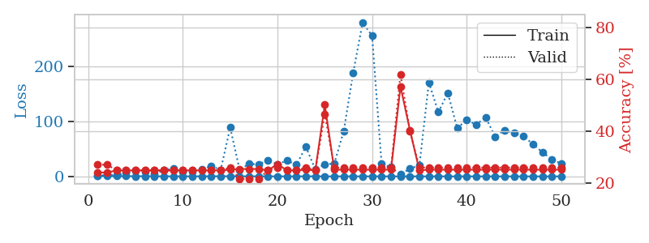
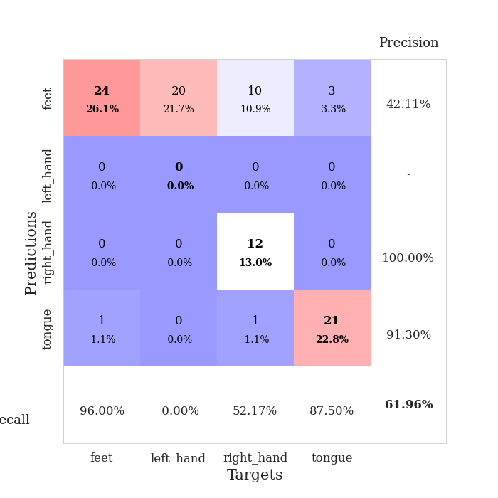
train_loss | valid_loss | train_accuracy | valid_accuracy | dur | train_misclass | valid_misclass
1.0148941045 | 1.4201587439 | 0.24184782609 | 0.27173913043 | 0.08820772171 | 24.184782609 | 27.173913043
0.59497670117 | 2.5262004085 | 0.24184782609 | 0.27173913043 | 0.087341785431 | 24.184782609 | 27.173913043
0.42208361885 | 1.9368548186 | 0.25 | 0.25 | 0.08694767952 | 25 | 25
0.45773237361 | 6.9135184703 | 0.25 | 0.25 | 0.087619781494 | 25 | 25
0.33654365721 | 9.3061265945 | 0.25 | 0.25 | 0.087342739105 | 25 | 25
0.30081247943 | 7.7532721602 | 0.25 | 0.25 | 0.087681770325 | 25 | 25
0.22207514925 | 4.7007352788 | 0.25 | 0.25 | 0.087603569031 | 25 | 25
0.16787254535 | 11.128041806 | 0.25 | 0.25 | 0.087379932404 | 25 | 25
0.097481086202 | 14.12108214 | 0.25 | 0.25 | 0.087330579758 | 25 | 25
0.15536510539 | 8.1775353059 | 0.25 | 0.25 | 0.088166236877 | 25 | 25
0.18917160331 | 7.9822839654 | 0.25 | 0.25 | 0.085325241089 | 25 | 25
0.12290953853 | 12.654223774 | 0.25 | 0.25 | 0.08518075943 | 25 | 25
0.17352673715 | 18.651403178 | 0.25 | 0.25 | 0.085364103317 | 25 | 25
0.2494705025 | 11.976929374 | 0.25 | 0.25 | 0.085493564606 | 25 | 25
0.28942047343 | 88.912786733 | 0.2527173913 | 0.26086956522 | 0.086026668549 | 25.27173913 | 26.086956522
0.21764213806 | 11.844180024 | 0.25543478261 | 0.21739130435 | 0.08590555191 | 25.543478261 | 21.739130435
0.13782999438 | 22.693965497 | 0.25543478261 | 0.21739130435 | 0.085767745972 | 25.543478261 | 21.739130435
0.10741959362 | 21.804601255 | 0.25543478261 | 0.21739130435 | 0.08570599556 | 25.543478261 | 21.739130435
0.1456163973 | 29.560885803 | 0.25 | 0.25 | 0.085990667343 | 25 | 25
0.086893749322 | 21.968545748 | 0.27445652174 | 0.26086956522 | 0.085824489594 | 27.445652174 | 26.086956522
0.050366646934 | 28.903663221 | 0.25 | 0.25 | 0.085792064667 | 25 | 25
0.036573448203 | 21.108774351 | 0.25 | 0.25 | 0.085817098618 | 25 | 25
0.18787784656 | 53.949483457 | 0.2527173913 | 0.26086956522 | 0.085745334625 | 25.27173913 | 26.086956522
0.11565595155 | 12.365817858 | 0.25 | 0.25 | 0.085638999939 | 25 | 25
0.065616240634 | 22.134494035 | 0.5027173913 | 0.46739130435 | 0.085906982422 | 50.27173913 | 46.739130435
0.058084003769 | 23.125009951 | 0.2527173913 | 0.26086956522 | 0.085838794708 | 25.27173913 | 26.086956522
0.096041223395 | 82.238624573 | 0.2527173913 | 0.26086956522 | 0.085863828659 | 25.27173913 | 26.086956522
0.078271596409 | 188.44682843 | 0.2527173913 | 0.26086956522 | 0.085886955261 | 25.27173913 | 26.086956522
0.06220444268 | 280.62650067 | 0.2527173913 | 0.26086956522 | 0.08610367775 | 25.27173913 | 26.086956522
0.041321430143 | 255.81802235 | 0.2527173913 | 0.26086956522 | 0.085680007935 | 25.27173913 | 26.086956522
0.054378713886 | 23.031266503 | 0.2527173913 | 0.26086956522 | 0.085956096649 | 25.27173913 | 26.086956522
0.039458441639 | 16.615442027 | 0.2527173913 | 0.26086956522 | 0.085706472397 | 25.27173913 | 26.086956522
0.04342755893 | 3.6114434263 | 0.57336956522 | 0.61956521739 | 0.085916519165 | 57.336956522 | 61.956521739
0.052584269347 | 14.079973967 | 0.40489130435 | 0.40217391304 | 0.086032390594 | 40.489130435 | 40.217391304
0.039815756252 | 20.122356332 | 0.25 | 0.26086956522 | 0.086091756821 | 25 | 26.086956522
0.041316530002 | 171.22368522 | 0.2527173913 | 0.26086956522 | 0.086557626724 | 25.27173913 | 26.086956522
0.05195627396 | 116.94565251 | 0.2527173913 | 0.26086956522 | 0.086350917816 | 25.27173913 | 26.086956522
0.030405973719 | 151.91193224 | 0.2527173913 | 0.26086956522 | 0.086559057236 | 25.27173913 | 26.086956522
0.019492009308 | 87.912530319 | 0.2527173913 | 0.26086956522 | 0.085817337036 | 25.27173913 | 26.086956522
0.016582201055 | 102.78762851 | 0.2527173913 | 0.26086956522 | 0.0863032341 | 25.27173913 | 26.086956522
0.032647060053 | 94.207681739 | 0.2527173913 | 0.26086956522 | 0.086590051651 | 25.27173913 | 26.086956522
0.012385756262 | 107.43576846 | 0.2527173913 | 0.26086956522 | 0.086648225784 | 25.27173913 | 26.086956522
0.013404973499 | 72.515677742 | 0.2527173913 | 0.26086956522 | 0.086182594299 | 25.27173913 | 26.086956522
0.02469716077 | 83.887162582 | 0.2527173913 | 0.26086956522 | 0.086316585541 | 25.27173913 | 26.086956522
0.02593693854 | 78.668885272 | 0.2527173913 | 0.26086956522 | 0.086235284805 | 25.27173913 | 26.086956522
0.017316518928 | 72.844483417 | 0.2527173913 | 0.26086956522 | 0.08639383316 | 25.27173913 | 26.086956522
0.023207805405 | 58.917046091 | 0.2527173913 | 0.26086956522 | 0.086139440536 | 25.27173913 | 26.086956522
0.04057140168 | 43.748631519 | 0.2527173913 | 0.26086956522 | 0.086394309998 | 25.27173913 | 26.086956522
0.01790349354 | 31.340076861 | 0.2527173913 | 0.26086956522 | 0.086617231369 | 25.27173913 | 26.086956522
0.02257731177 | 22.912396058 | 0.2527173913 | 0.26086956522 | 0.085945367813 | 25.27173913 | 26.086956522

Best Val accuracy is 0.6195652173913043 and Best test accuracy is 0.6379310344827587

Sheet4
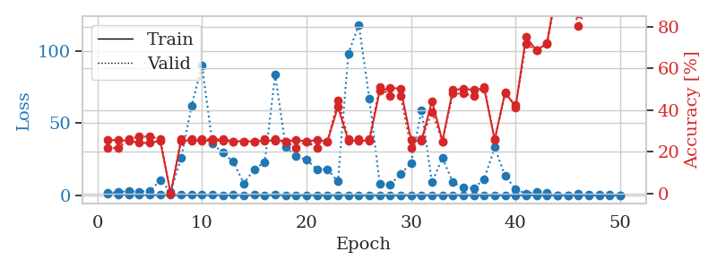
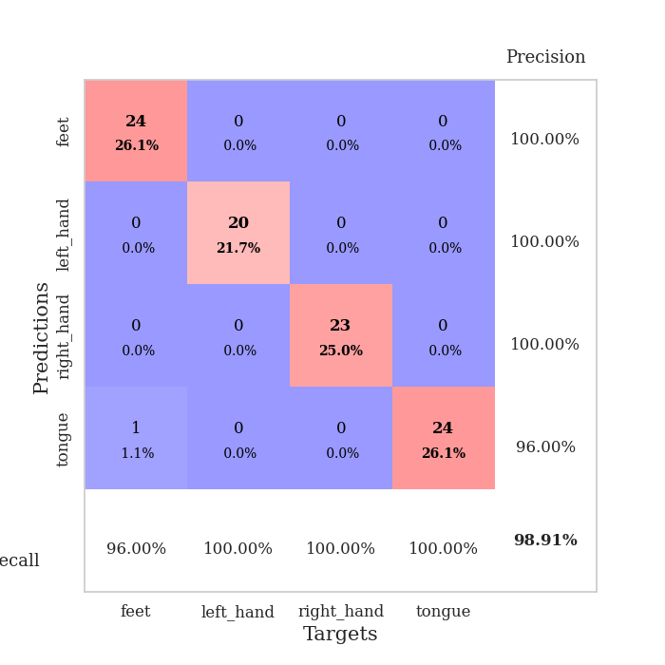
train_loss | valid_loss | train_accuracy | valid_accuracy | dur | train_misclass | valid_misclass
1.1457938345 | 1.6191772533 | 0.25543478261 | 0.21739130435 | 0.08907699585 | 25.543478261 | 21.739130435
0.70797096776 | 2.241429868 | 0.25543478261 | 0.21739130435 | 0.086792707443 | 25.543478261 | 21.739130435
0.45897822341 | 2.911881934 | 0.2527173913 | 0.26086956522 | 0.08796453476 | 25.27173913 | 26.086956522
0.329931414 | 2.4667919511 | 0.24184782609 | 0.27173913043 | 0.088485717773 | 24.184782609 | 27.173913043
0.34717913944 | 3.0460965011 | 0.24184782609 | 0.27173913043 | 0.089004516602 | 24.184782609 | 27.173913043
0.26762517444 | 10.204811179 | 0.2527173913 | 0.26086956522 | 0.086701393127 | 25.27173913 | 26.086956522
0.24659521368 | 2.5578075803 | 0 | 0 | 0.087252378464 | 0 | 0
0.16700450145 | 25.739176958 | 0.2527173913 | 0.26086956522 | 0.086927890778 | 25.27173913 | 26.086956522
0.28495538737 | 61.987181124 | 0.2527173913 | 0.26086956522 | 0.084686040878 | 25.27173913 | 26.086956522
0.17141594236 | 89.99465279 | 0.2527173913 | 0.26086956522 | 0.084712743759 | 25.27173913 | 26.086956522
0.16383910973 | 35.701398269 | 0.2527173913 | 0.26086956522 | 0.084559202194 | 25.27173913 | 26.086956522
0.08648515272 | 29.400440714 | 0.2527173913 | 0.26086956522 | 0.085338830948 | 25.27173913 | 26.086956522
0.19002473838 | 23.189427583 | 0.25 | 0.25 | 0.086027622223 | 25 | 25
0.10339552458 | 8.1327186875 | 0.25 | 0.25 | 0.08629989624 | 25 | 25
0.15978852522 | 18.187731701 | 0.25 | 0.25 | 0.086315393448 | 25 | 25
0.078793256422 | 22.816144694 | 0.2527173913 | 0.26086956522 | 0.08628988266 | 25.27173913 | 26.086956522
0.1686644479 | 83.659096096 | 0.2527173913 | 0.26086956522 | 0.0865483284 | 25.27173913 | 26.086956522
0.12236968665 | 33.506798952 | 0.25 | 0.25 | 0.086273431778 | 25 | 25
0.11942794838 | 26.977198476 | 0.25543478261 | 0.21739130435 | 0.086040258408 | 25.543478261 | 21.739130435
0.092203152771 | 24.660229559 | 0.25 | 0.25 | 0.085766553879 | 25 | 25
0.13454295183 | 18.06316865 | 0.25543478261 | 0.21739130435 | 0.085648536682 | 25.543478261 | 21.739130435
0.048247999502 | 18.073665536 | 0.25 | 0.25 | 0.085704803467 | 25 | 25
0.039510418823 | 9.5086350856 | 0.41576086957 | 0.44565217391 | 0.085676908493 | 41.576086957 | 44.565217391
0.080610149863 | 98.222182232 | 0.2527173913 | 0.26086956522 | 0.085701704025 | 25.27173913 | 26.086956522
0.071281216674 | 118.30620807 | 0.2527173913 | 0.26086956522 | 0.085580825806 | 25.27173913 | 26.086956522
0.089434973405 | 67.267973361 | 0.2527173913 | 0.26086956522 | 0.085600376129 | 25.27173913 | 26.086956522
0.030019073383 | 8.1268657394 | 0.49184782609 | 0.51086956522 | 0.085676431656 | 49.184782609 | 51.086956522
0.067471667071 | 7.3737834433 | 0.50543478261 | 0.46739130435 | 0.086224079132 | 50.543478261 | 46.739130435
0.073764579183 | 14.734015423 | 0.5027173913 | 0.46739130435 | 0.085802316666 | 50.27173913 | 46.739130435
0.023579675886 | 22.34177606 | 0.25543478261 | 0.21739130435 | 0.085973262787 | 25.543478261 | 21.739130435
0.068493950803 | 59.033476954 | 0.2527173913 | 0.26086956522 | 0.086203813553 | 25.27173913 | 26.086956522
0.031484253634 | 8.8663331322 | 0.44293478261 | 0.39130434783 | 0.086456298828 | 44.293478261 | 39.130434783
0.039862335611 | 25.863270055 | 0.25 | 0.25 | 0.086179018021 | 25 | 25
0.033415053551 | 8.9538968128 | 0.4972826087 | 0.47826086957 | 0.086651325226 | 49.72826087 | 47.826086957
0.022932709321 | 5.3650806676 | 0.5 | 0.47826086957 | 0.08588886261 | 50 | 47.826086957
0.031583914839 | 4.8864403808 | 0.4972826087 | 0.46739130435 | 0.08633852005 | 49.72826087 | 46.739130435
0.033088546909 | 11.208142011 | 0.5027173913 | 0.51086956522 | 0.086500167847 | 50.27173913 | 51.086956522
0.028304167679 | 33.150528783 | 0.25543478261 | 0.26086956522 | 0.086240291595 | 25.543478261 | 26.086956522
0.021336567157 | 13.333096421 | 0.48641304348 | 0.47826086957 | 0.086463212967 | 48.641304348 | 47.826086957
0.027086788769 | 4.2990554934 | 0.41304347826 | 0.42391304348 | 0.090440988541 | 41.304347826 | 42.391304348
0.019724666485 | 1.0391100023 | 0.75 | 0.71739130435 | 0.086125850677 | 75 | 71.739130435
0.01613145645 | 2.5456552195 | 0.6847826087 | 0.6847826087 | 0.0864174366 | 68.47826087 | 68.47826087
0.017126438896 | 1.7723758117 | 0.72010869565 | 0.71739130435 | 0.086236953735 | 72.010869565 | 71.739130435
0.010547870746 | 0.13953433022 | 1 | 0.98913043478 | 0.08670425415 | 100 | 98.913043478
0.0097273068665 | 0.12867267857 | 1 | 0.98913043478 | 0.087580680847 | 100 | 98.913043478
0.020644215477 | 1.0345331456 | 0.86413043478 | 0.80434782609 | 0.087549209595 | 86.413043478 | 80.434782609
0.010570676924 | 0.30984868498 | 0.99184782609 | 0.91304347826 | 0.087868452072 | 99.184782609 | 91.304347826
0.020259045209 | 0.18308005196 | 1 | 0.96739130435 | 0.08725476265 | 100 | 96.739130435
0.019549427937 | 0.16339792392 | 1 | 0.97826086957 | 0.086798429489 | 100 | 97.826086957
0.026040114562 | 0.15335443067 | 1 | 0.97826086957 | 0.08668088913 | 100 | 97.826086957

Best Val accuracy is 0.9891304347826086 and Best test accuracy is 0.9827586206896551

Sheet5
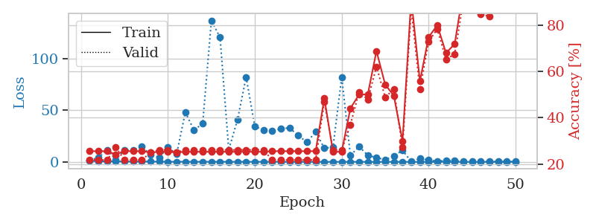
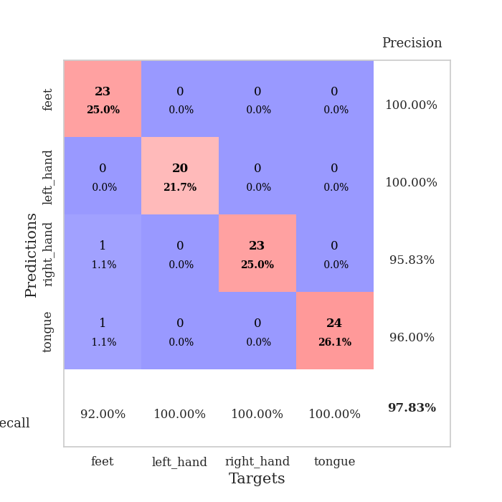
train_loss | valid_loss | train_accuracy | valid_accuracy | dur | train_misclass | valid_misclass
1.0061181745 | 1.5470500822 | 0.25543478261 | 0.21739130435 | 0.087376832962 | 25.543478261 | 21.739130435
0.52299825005 | 4.0554088095 | 0.25543478261 | 0.21739130435 | 0.086025238037 | 25.543478261 | 21.739130435
0.40874821142 | 11.42655327 | 0.25543478261 | 0.21739130435 | 0.085991621017 | 25.543478261 | 21.739130435
0.56743851596 | 2.1029129028 | 0.24184782609 | 0.27173913043 | 0.086346149445 | 24.184782609 | 27.173913043
0.31411274814 | 11.378998756 | 0.25543478261 | 0.21739130435 | 0.086382389069 | 25.543478261 | 21.739130435
0.22282283543 | 11.47536369 | 0.25543478261 | 0.21739130435 | 0.086339235306 | 25.543478261 | 21.739130435
0.35346103136 | 14.594698201 | 0.25543478261 | 0.21739130435 | 0.086782693863 | 25.543478261 | 21.739130435
0.31741239473 | 6.8665108266 | 0.25 | 0.25 | 0.086867809296 | 25 | 25
0.22596387517 | 4.3931870668 | 0.2527173913 | 0.26086956522 | 0.08681678772 | 25.27173913 | 26.086956522
0.1528931944 | 13.844754882 | 0.2527173913 | 0.26086956522 | 0.086752176285 | 25.27173913 | 26.086956522
0.13255635471 | 7.4652049852 | 0.25 | 0.25 | 0.086941003799 | 25 | 25
0.15328580145 | 47.843123229 | 0.2527173913 | 0.26086956522 | 0.086812257767 | 25.27173913 | 26.086956522
0.10682308789 | 30.651841122 | 0.2527173913 | 0.26086956522 | 0.086801052094 | 25.27173913 | 26.086956522
0.11394413921 | 37.052355393 | 0.2527173913 | 0.26086956522 | 0.08687710762 | 25.27173913 | 26.086956522
0.12278090038 | 136.72482134 | 0.2527173913 | 0.26086956522 | 0.086894273758 | 25.27173913 | 26.086956522
0.12244593039 | 120.35084501 | 0.2527173913 | 0.26086956522 | 0.086896896362 | 25.27173913 | 26.086956522
0.11701853695 | 11.627042397 | 0.2527173913 | 0.26086956522 | 0.088126420975 | 25.27173913 | 26.086956522
0.08307179837 | 40.571380284 | 0.2527173913 | 0.26086956522 | 0.086763620377 | 25.27173913 | 26.086956522
0.11854425312 | 81.939520794 | 0.2527173913 | 0.26086956522 | 0.086796998978 | 25.27173913 | 26.086956522
0.10141207942 | 34.166115968 | 0.2527173913 | 0.26086956522 | 0.086667060852 | 25.27173913 | 26.086956522
0.08222122377 | 30.793903517 | 0.2527173913 | 0.26086956522 | 0.086944818497 | 25.27173913 | 26.086956522
0.11944194664 | 29.82234648 | 0.25543478261 | 0.21739130435 | 0.086792230606 | 25.543478261 | 21.739130435
0.12267004494 | 32.189152925 | 0.25543478261 | 0.21739130435 | 0.086874723434 | 25.543478261 | 21.739130435
0.072466800961 | 32.84481994 | 0.25543478261 | 0.21739130435 | 0.086843252182 | 25.543478261 | 21.739130435
0.050160448578 | 25.354114367 | 0.25543478261 | 0.21739130435 | 0.086713314056 | 25.543478261 | 21.739130435
0.034925321821 | 19.049505565 | 0.25543478261 | 0.21739130435 | 0.087488651276 | 25.543478261 | 21.739130435
0.021441972349 | 29.072830117 | 0.25543478261 | 0.21739130435 | 0.086992025375 | 25.543478261 | 21.739130435
0.054221697865 | 13.143719383 | 0.48369565217 | 0.46739130435 | 0.087911128998 | 48.369565217 | 46.739130435
0.058085259198 | 14.276678998 | 0.2527173913 | 0.26086956522 | 0.087733507156 | 25.27173913 | 26.086956522
0.041123196381 | 82.092860015 | 0.2527173913 | 0.26086956522 | 0.08703994751 | 25.27173913 | 26.086956522
0.075348254906 | 6.132701853 | 0.4402173913 | 0.36956521739 | 0.087138414383 | 44.02173913 | 36.956521739
0.053818199083 | 14.839083423 | 0.5 | 0.51086956522 | 0.087826728821 | 50 | 51.086956522
0.043121568768 | 6.2810368745 | 0.5 | 0.47826086957 | 0.087208509445 | 50 | 47.826086957
0.029859349329 | 4.2171534455 | 0.6875 | 0.61956521739 | 0.086886882782 | 68.75 | 61.956521739
0.024383211645 | 1.9889789768 | 0.54347826087 | 0.48913043478 | 0.087352752686 | 54.347826087 | 48.913043478
0.038534817309 | 5.710679697 | 0.49456521739 | 0.52173913043 | 0.086871385574 | 49.456521739 | 52.173913043
0.032272278761 | 11.115908457 | 0.29891304348 | 0.27173913043 | 0.08672451973 | 29.891304348 | 27.173913043
0.022615020482 | 0.30597734581 | 0.91304347826 | 0.86956521739 | 0.08682012558 | 91.304347826 | 86.956521739
0.033834982051 | 3.2600786997 | 0.55706521739 | 0.52173913043 | 0.087349176407 | 55.706521739 | 52.173913043
0.023854436568 | 1.6914476208 | 0.7472826087 | 0.72826086957 | 0.086932897568 | 74.72826087 | 72.826086957
0.017277572033 | 0.60555642584 | 0.79891304348 | 0.78260869565 | 0.086840391159 | 79.891304348 | 78.260869565
0.036701851752 | 1.3731545676 | 0.67934782609 | 0.65217391304 | 0.086837053299 | 67.934782609 | 65.217391304
0.033325610407 | 1.1867815101 | 0.71739130435 | 0.67391304348 | 0.086824893951 | 71.739130435 | 67.391304348
0.012421374459 | 0.32049026567 | 0.94836956522 | 0.90217391304 | 0.08698797226 | 94.836956522 | 90.217391304
0.0083433310748 | 0.18012446651 | 0.98641304348 | 0.95652173913 | 0.08728146553 | 98.641304348 | 95.652173913
0.020097650269 | 0.51548811405 | 0.90217391304 | 0.84782608696 | 0.08739566803 | 90.217391304 | 84.782608696
0.040012413332 | 0.55149830424 | 0.89945652174 | 0.83695652174 | 0.086848974228 | 89.945652174 | 83.695652174
0.029530869508 | 0.3346244939 | 0.95652173913 | 0.91304347826 | 0.08692407608 | 95.652173913 | 91.304347826
0.020314776455 | 0.25132750104 | 0.97826086957 | 0.96739130435 | 0.086913824081 | 97.826086957 | 96.739130435
0.026236910021 | 0.20733251261 | 0.98913043478 | 0.97826086957 | 0.087247848511 | 98.913043478 | 97.826086957

Best Val accuracy is 0.9782608695652174 and Best test accuracy is 0.9310344827586207

Sheet6
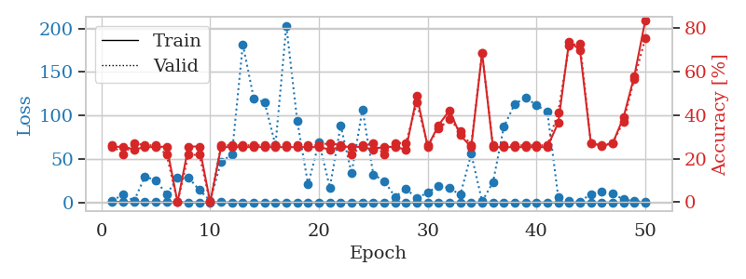
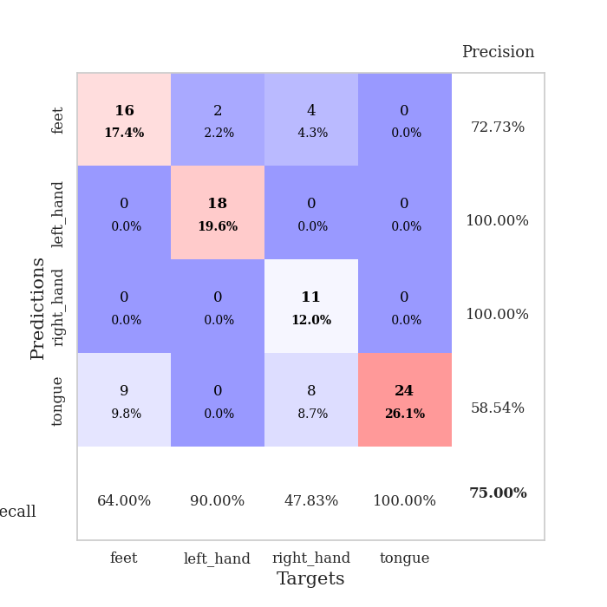
train_loss | valid_loss | train_accuracy | valid_accuracy | dur | train_misclass | valid_misclass
0.99656833514 | 2.0472569466 | 0.2527173913 | 0.26086956522 | 0.087213039398 | 25.27173913 | 26.086956522
0.55354442415 | 9.3788979157 | 0.25543478261 | 0.21739130435 | 0.08606505394 | 25.543478261 | 21.739130435
0.44919660947 | 1.8514052526 | 0.24184782609 | 0.27173913043 | 0.085618495941 | 24.184782609 | 27.173913043
0.39407388218 | 29.91753346 | 0.2527173913 | 0.26086956522 | 0.086133718491 | 25.27173913 | 26.086956522
0.39649630549 | 25.54258388 | 0.2527173913 | 0.26086956522 | 0.085980176926 | 25.27173913 | 26.086956522
0.29855199029 | 9.3078707405 | 0.25543478261 | 0.21739130435 | 0.0876994133 | 25.543478261 | 21.739130435
0.43067664718 | 28.697928304 | 0 | 0 | 0.086047410965 | 0 | 0
0.25717246921 | 28.82888852 | 0.25543478261 | 0.21739130435 | 0.086595773697 | 25.543478261 | 21.739130435
0.16556065044 | 14.259968136 | 0.25543478261 | 0.21739130435 | 0.086455583572 | 25.543478261 | 21.739130435
0.26570847541 | 2.3339807365 | 0 | 0 | 0.087066173553 | 0 | 0
0.30691908106 | 46.813441235 | 0.2527173913 | 0.26086956522 | 0.086798429489 | 25.27173913 | 26.086956522
0.10561585564 | 55.242089479 | 0.2527173913 | 0.26086956522 | 0.087181329727 | 25.27173913 | 26.086956522
0.16002848489 | 181.74329608 | 0.2527173913 | 0.26086956522 | 0.087050437927 | 25.27173913 | 26.086956522
0.14439517507 | 119.9318035 | 0.2527173913 | 0.26086956522 | 0.087102174759 | 25.27173913 | 26.086956522
0.17143666951 | 115.13661028 | 0.2527173913 | 0.26086956522 | 0.087174415588 | 25.27173913 | 26.086956522
0.18807124063 | 65.83121988 | 0.2527173913 | 0.26086956522 | 0.087033987045 | 25.27173913 | 26.086956522
0.18029564305 | 203.34876749 | 0.2527173913 | 0.26086956522 | 0.087189674377 | 25.27173913 | 26.086956522
0.17817374153 | 93.976699497 | 0.2527173913 | 0.26086956522 | 0.086854219437 | 25.27173913 | 26.086956522
0.099356952123 | 20.611448288 | 0.2527173913 | 0.26086956522 | 0.086845636368 | 25.27173913 | 26.086956522
0.098458790615 | 69.454369918 | 0.2527173913 | 0.26086956522 | 0.087039232254 | 25.27173913 | 26.086956522
0.10536638129 | 17.375577429 | 0.24184782609 | 0.27173913043 | 0.086935997009 | 24.184782609 | 27.173913043
0.16780600695 | 88.549782463 | 0.2527173913 | 0.26086956522 | 0.087075233459 | 25.27173913 | 26.086956522
0.082688984441 | 33.57538074 | 0.25543478261 | 0.21739130435 | 0.086933851242 | 25.543478261 | 21.739130435
0.081559733994 | 107.06358404 | 0.2527173913 | 0.26086956522 | 0.087113380432 | 25.27173913 | 26.086956522
0.079004458147 | 32.153483018 | 0.24184782609 | 0.27173913043 | 0.086770534515 | 24.184782609 | 27.173913043
0.089950692253 | 24.823717947 | 0.25543478261 | 0.21739130435 | 0.086649894714 | 25.543478261 | 21.739130435
0.069078213388 | 6.4769340183 | 0.2527173913 | 0.27173913043 | 0.086482286453 | 25.27173913 | 27.173913043
0.043518241718 | 15.943950238 | 0.24184782609 | 0.27173913043 | 0.0865483284 | 24.184782609 | 27.173913043
0.065417210415 | 4.6728972559 | 0.48641304348 | 0.45652173913 | 0.086811542511 | 48.641304348 | 45.652173913
0.04391914019 | 11.666520989 | 0.25543478261 | 0.26086956522 | 0.087315797806 | 25.543478261 | 26.086956522
0.038881582431 | 19.180944857 | 0.35326086957 | 0.33695652174 | 0.086755037308 | 35.326086957 | 33.695652174
0.044187198641 | 16.517429601 | 0.42119565217 | 0.38043478261 | 0.08673286438 | 42.119565217 | 38.043478261
0.020852450195 | 8.9173408591 | 0.30706521739 | 0.32608695652 | 0.086573123932 | 30.706521739 | 32.608695652
0.057916182243 | 55.868184131 | 0.2527173913 | 0.26086956522 | 0.086586475372 | 25.27173913 | 26.086956522
0.053188710894 | 1.4501847754 | 0.6847826087 | 0.6847826087 | 0.086497068405 | 68.47826087 | 68.47826087
0.032364758653 | 22.993792078 | 0.2527173913 | 0.26086956522 | 0.086765527725 | 25.27173913 | 26.086956522
0.038386486177 | 87.103705696 | 0.2527173913 | 0.26086956522 | 0.086757421494 | 25.27173913 | 26.086956522
0.062148993234 | 113.1238138 | 0.2527173913 | 0.26086956522 | 0.086503267288 | 25.27173913 | 26.086956522
0.035198400617 | 120.66842817 | 0.2527173913 | 0.26086956522 | 0.087520122528 | 25.27173913 | 26.086956522
0.063616882795 | 111.80690036 | 0.2527173913 | 0.26086956522 | 0.08723950386 | 25.27173913 | 26.086956522
0.038359109029 | 104.36667036 | 0.2527173913 | 0.26086956522 | 0.086814165115 | 25.27173913 | 26.086956522
0.018557513495 | 6.4344369018 | 0.36413043478 | 0.41304347826 | 0.087273597717 | 36.413043478 | 41.304347826
0.035100579297 | 1.8304575941 | 0.73641304348 | 0.71739130435 | 0.087334156036 | 73.641304348 | 71.739130435
0.072704301357 | 1.155713864 | 0.69836956522 | 0.72826086957 | 0.087125062943 | 69.836956522 | 72.826086957
0.043099079587 | 9.6842983495 | 0.27173913043 | 0.27173913043 | 0.090119838715 | 27.173913043 | 27.173913043
0.021660642307 | 12.82105732 | 0.25815217391 | 0.26086956522 | 0.087292432785 | 25.815217391 | 26.086956522
0.024092921646 | 10.147397788 | 0.26902173913 | 0.27173913043 | 0.08670759201 | 26.902173913 | 27.173913043
0.056036206909 | 3.5757626658 | 0.38858695652 | 0.36956521739 | 0.08660531044 | 38.858695652 | 36.956521739
0.018732680921 | 1.5500859489 | 0.57880434783 | 0.5652173913 | 0.086639881134 | 57.880434783 | 56.52173913
0.03874956407 | 0.61826398062 | 0.83152173913 | 0.75 | 0.086573839188 | 83.152173913 | 75

Best Val accuracy is 0.75 and Best test accuracy is 0.7155172413793104

Sheet7
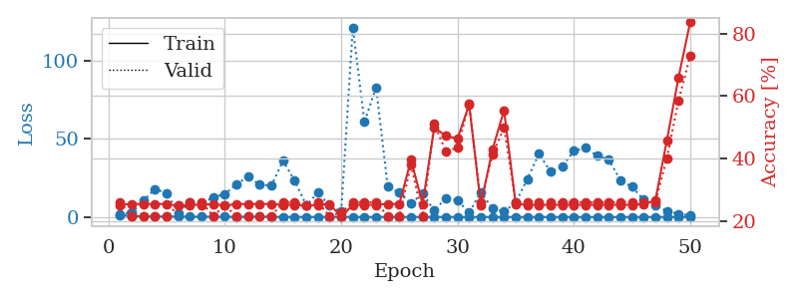
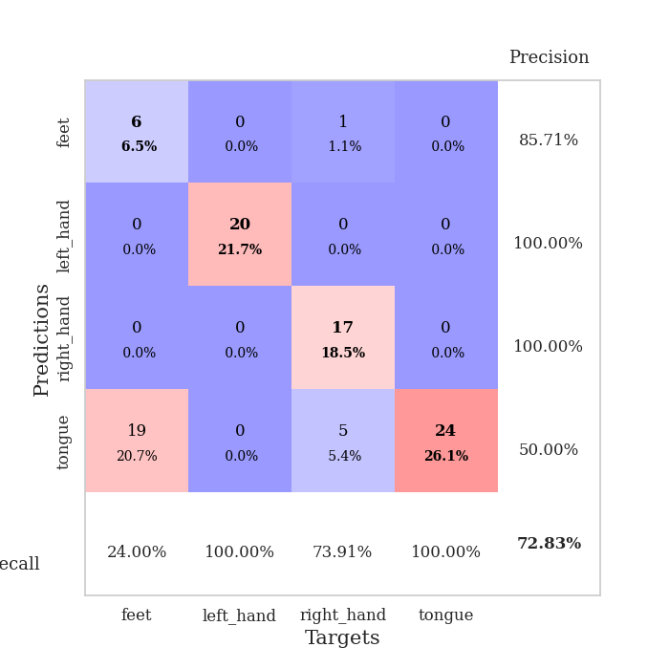
train_loss | valid_loss | train_accuracy | valid_accuracy | dur | train_misclass | valid_misclass
1.1093137964 | 1.7194568852 | 0.2527173913 | 0.26086956522 | 0.087156772614 | 25.27173913 | 26.086956522
0.61394527166 | 2.8116475499 | 0.25543478261 | 0.21739130435 | 0.085653305054 | 25.543478261 | 21.739130435
0.51086137023 | 10.552839445 | 0.25543478261 | 0.21739130435 | 0.085785627365 | 25.543478261 | 21.739130435
0.32366859362 | 17.896225888 | 0.25543478261 | 0.21739130435 | 0.08590054512 | 25.543478261 | 21.739130435
0.30623883778 | 15.27398126 | 0.25543478261 | 0.21739130435 | 0.085993289948 | 25.543478261 | 21.739130435
0.36095131626 | 2.5510782781 | 0.25 | 0.25 | 0.085922956467 | 25 | 25
0.18283429386 | 9.5634726234 | 0.2527173913 | 0.26086956522 | 0.085842132568 | 25.27173913 | 26.086956522
0.24514107698 | 8.6005250682 | 0.2527173913 | 0.26086956522 | 0.08575463295 | 25.27173913 | 26.086956522
0.18102336312 | 12.632193482 | 0.25543478261 | 0.21739130435 | 0.089069128036 | 25.543478261 | 21.739130435
0.18335700651 | 14.684087214 | 0.25 | 0.25 | 0.085408210754 | 25 | 25
0.10177280819 | 21.193551354 | 0.25543478261 | 0.21739130435 | 0.085661888123 | 25.543478261 | 21.739130435
0.19847158594 | 25.745866527 | 0.25543478261 | 0.21739130435 | 0.086037635803 | 25.543478261 | 21.739130435
0.16096088059 | 20.649202264 | 0.25543478261 | 0.21739130435 | 0.086467266083 | 25.543478261 | 21.739130435
0.078359589183 | 20.13050552 | 0.25543478261 | 0.21739130435 | 0.086531400681 | 25.543478261 | 21.739130435
0.090913785399 | 36.006377179 | 0.2527173913 | 0.26086956522 | 0.08674955368 | 25.27173913 | 26.086956522
0.075775112025 | 23.357681523 | 0.2527173913 | 0.26086956522 | 0.087136268616 | 25.27173913 | 26.086956522
0.062551442665 | 7.4438437794 | 0.25 | 0.25 | 0.085639238358 | 25 | 25
0.038411152056 | 15.601903542 | 0.2527173913 | 0.26086956522 | 0.086293697357 | 25.27173913 | 26.086956522
0.061208336493 | 7.1848222276 | 0.25543478261 | 0.21739130435 | 0.08585524559 | 25.543478261 | 21.739130435
0.070956252277 | 3.4983586436 | 0.21467391304 | 0.22826086957 | 0.085884094238 | 21.467391304 | 22.826086957
0.064422512356 | 121.43186354 | 0.2527173913 | 0.26086956522 | 0.085673809052 | 25.27173913 | 26.086956522
0.028060774825 | 60.874416185 | 0.2527173913 | 0.26086956522 | 0.085604906082 | 25.27173913 | 26.086956522
0.034628872946 | 83.024936178 | 0.2527173913 | 0.26086956522 | 0.087648630142 | 25.27173913 | 26.086956522
0.13215080151 | 19.654080018 | 0.25543478261 | 0.21739130435 | 0.085806369781 | 25.543478261 | 21.739130435
0.087558594345 | 15.618600182 | 0.25543478261 | 0.21739130435 | 0.085843086243 | 25.543478261 | 21.739130435
0.055226316433 | 8.6189195799 | 0.39673913043 | 0.38043478261 | 0.085999250412 | 39.673913043 | 38.043478261
0.050266607272 | 15.181888995 | 0.25543478261 | 0.21739130435 | 0.094303131104 | 25.543478261 | 21.739130435
0.032938305461 | 4.0060083555 | 0.5 | 0.51086956522 | 0.10225892067 | 50 | 51.086956522
0.078768349974 | 12.23062847 | 0.47282608696 | 0.42391304348 | 0.088690042496 | 47.282608696 | 42.391304348
0.028744131651 | 10.597699704 | 0.46467391304 | 0.4347826087 | 0.088416814804 | 46.467391304 | 43.47826087
0.026833497876 | 2.8297773807 | 0.57336956522 | 0.57608695652 | 0.088217258453 | 57.336956522 | 57.608695652
0.030342926595 | 15.913496639 | 0.2527173913 | 0.26086956522 | 0.088463544846 | 25.27173913 | 26.086956522
0.030964438573 | 5.3757720823 | 0.42934782609 | 0.41304347826 | 0.087799310684 | 42.934782609 | 41.304347826
0.025143673819 | 3.4484282784 | 0.55434782609 | 0.5 | 0.087781190872 | 55.434782609 | 50
0.019474824893 | 9.2795056053 | 0.25543478261 | 0.26086956522 | 0.087800979614 | 25.543478261 | 26.086956522
0.024706546508 | 24.343441092 | 0.2527173913 | 0.26086956522 | 0.087713956833 | 25.27173913 | 26.086956522
0.029859422647 | 40.565665867 | 0.2527173913 | 0.26086956522 | 0.087760686874 | 25.27173913 | 26.086956522
0.025129503568 | 28.947877718 | 0.2527173913 | 0.26086956522 | 0.087701320648 | 25.27173913 | 26.086956522
0.0074122319113 | 32.330863372 | 0.2527173913 | 0.26086956522 | 0.087879419327 | 25.27173913 | 26.086956522
0.011457095996 | 42.361773284 | 0.2527173913 | 0.26086956522 | 0.087885141373 | 25.27173913 | 26.086956522
0.0071708171745 | 44.214661308 | 0.2527173913 | 0.26086956522 | 0.087938547134 | 25.27173913 | 26.086956522
0.01029630153 | 39.213215869 | 0.2527173913 | 0.26086956522 | 0.087742805481 | 25.27173913 | 26.086956522
0.015341215396 | 36.803484544 | 0.2527173913 | 0.26086956522 | 0.090400218964 | 25.27173913 | 26.086956522
0.011415913427 | 23.540125722 | 0.2527173913 | 0.26086956522 | 0.088130950928 | 25.27173913 | 26.086956522
0.010881326974 | 19.320391531 | 0.2527173913 | 0.26086956522 | 0.088146209717 | 25.27173913 | 26.086956522
0.011618445579 | 11.113305299 | 0.25543478261 | 0.26086956522 | 0.087863445282 | 25.543478261 | 26.086956522
0.029197429364 | 7.6508898113 | 0.26630434783 | 0.26086956522 | 0.087485551834 | 26.630434783 | 26.086956522
0.00522956306 | 3.9081045026 | 0.45923913043 | 0.40217391304 | 0.089593648911 | 45.923913043 | 40.217391304
0.0090827703348 | 2.0391315377 | 0.66032608696 | 0.58695652174 | 0.088110208511 | 66.032608696 | 58.695652174
0.011001550045 | 1.0480338024 | 0.83695652174 | 0.72826086957 | 0.088156461716 | 83.695652174 | 72.826086957

Best Val accuracy is 0.7282608695652174 and Best test accuracy is 0.75

Sheet8
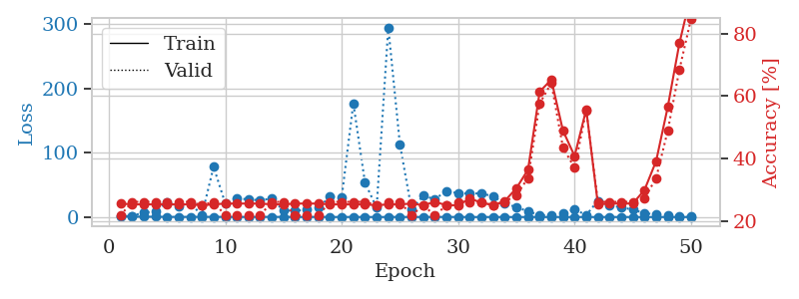
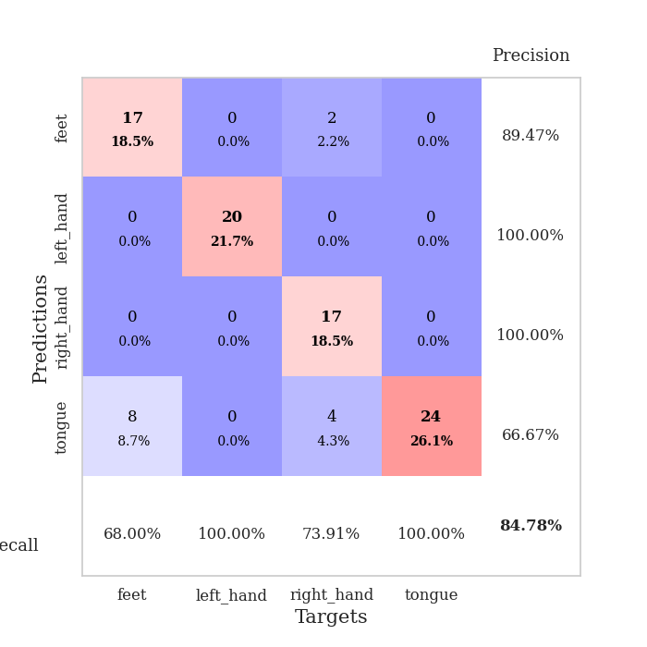
train_loss | valid_loss | train_accuracy | valid_accuracy | dur | train_misclass | valid_misclass
1.0671388118 | 1.5194465233 | 0.25543478261 | 0.21739130435 | 0.08878660202 | 25.543478261 | 21.739130435
0.69543092795 | 1.4822068888 | 0.2527173913 | 0.26086956522 | 0.087567090988 | 25.27173913 | 26.086956522
0.4891984683 | 7.1878421618 | 0.2527173913 | 0.26086956522 | 0.087414503098 | 25.27173913 | 26.086956522
0.41500679468 | 8.270463902 | 0.2527173913 | 0.26086956522 | 0.087699651718 | 25.27173913 | 26.086956522
0.27694137297 | 22.861357316 | 0.2527173913 | 0.26086956522 | 0.088178157806 | 25.27173913 | 26.086956522
0.23219879798 | 15.995518933 | 0.2527173913 | 0.26086956522 | 0.088097572327 | 25.27173913 | 26.086956522
0.25798037227 | 20.622573272 | 0.2527173913 | 0.26086956522 | 0.087995290756 | 25.27173913 | 26.086956522
0.22242394535 | 3.2033557166 | 0.25 | 0.25 | 0.088229656219 | 25 | 25
0.26292849753 | 78.078708483 | 0.2527173913 | 0.26086956522 | 0.088215589523 | 25.27173913 | 26.086956522
0.20253272638 | 21.198753937 | 0.25543478261 | 0.21739130435 | 0.087819099426 | 25.543478261 | 21.739130435
0.12062305686 | 29.557358369 | 0.25543478261 | 0.21739130435 | 0.088004112244 | 25.543478261 | 21.739130435
0.14757968113 | 27.16950259 | 0.25543478261 | 0.21739130435 | 0.088124752045 | 25.543478261 | 21.739130435
0.13841505814 | 26.239667892 | 0.25543478261 | 0.21739130435 | 0.088014125824 | 25.543478261 | 21.739130435
0.27500466573 | 28.633482809 | 0.2527173913 | 0.26086956522 | 0.08786034584 | 25.27173913 | 26.086956522
0.14993889712 | 9.8837096173 | 0.2527173913 | 0.26086956522 | 0.087978839874 | 25.27173913 | 26.086956522
0.12809094888 | 9.9801925576 | 0.25543478261 | 0.21739130435 | 0.087976932526 | 25.543478261 | 21.739130435
0.095545864705 | 11.339257738 | 0.25543478261 | 0.21739130435 | 0.087751150131 | 25.543478261 | 21.739130435
0.16384563911 | 14.779823137 | 0.25543478261 | 0.21739130435 | 0.088056325912 | 25.543478261 | 21.739130435
0.058847874443 | 31.759329671 | 0.2527173913 | 0.26086956522 | 0.087952852249 | 25.27173913 | 26.086956522
0.10147195975 | 30.60928776 | 0.2527173913 | 0.26086956522 | 0.087999343872 | 25.27173913 | 26.086956522
0.074702615526 | 177.12514595 | 0.2527173913 | 0.26086956522 | 0.087983846664 | 25.27173913 | 26.086956522
0.057241483996 | 53.447606626 | 0.2527173913 | 0.26086956522 | 0.088314533234 | 25.27173913 | 26.086956522
0.047824007388 | 14.492863531 | 0.25 | 0.25 | 0.088089942932 | 25 | 25
0.071911683569 | 295.0490935 | 0.2527173913 | 0.26086956522 | 0.088217020035 | 25.27173913 | 26.086956522
0.097781417952 | 112.91592042 | 0.2527173913 | 0.26086956522 | 0.087907552719 | 25.27173913 | 26.086956522
0.04301155498 | 11.840807873 | 0.25543478261 | 0.21739130435 | 0.087917089462 | 25.543478261 | 21.739130435
0.080778885228 | 32.990716851 | 0.25 | 0.25 | 0.087928056717 | 25 | 25
0.07398241975 | 27.890534525 | 0.26086956522 | 0.21739130435 | 0.087836742401 | 26.086956522 | 21.739130435
0.21059153982 | 40.602731622 | 0.25 | 0.25 | 0.088359594345 | 25 | 25
0.059456898811 | 36.939480823 | 0.25 | 0.26086956522 | 0.088114261627 | 25 | 26.086956522
0.028230541416 | 36.704654528 | 0.27173913043 | 0.26086956522 | 0.08802318573 | 27.173913043 | 26.086956522
0.028035359743 | 36.710430145 | 0.25815217391 | 0.26086956522 | 0.088056087494 | 25.815217391 | 26.086956522
0.024152802998 | 32.23437981 | 0.25 | 0.25 | 0.088017225266 | 25 | 25
0.01523526555 | 21.792537772 | 0.26358695652 | 0.26086956522 | 0.088053226471 | 26.358695652 | 26.086956522
0.027822416858 | 15.051244985 | 0.30434782609 | 0.28260869565 | 0.088373661041 | 30.434782609 | 28.260869565
0.049263151113 | 9.1249584944 | 0.36413043478 | 0.33695652174 | 0.091115236282 | 36.413043478 | 33.695652174
0.0091663988727 | 2.7863559205 | 0.61413043478 | 0.57608695652 | 0.091246128082 | 61.413043478 | 57.608695652
0.013940202042 | 2.6464139534 | 0.65217391304 | 0.64130434783 | 0.088590860367 | 65.217391304 | 64.130434783
0.037530253772 | 6.0270555745 | 0.48913043478 | 0.4347826087 | 0.088568210602 | 48.913043478 | 43.47826087
0.047574236436 | 11.741114575 | 0.40760869565 | 0.36956521739 | 0.088169336319 | 40.760869565 | 36.956521739
0.031620319203 | 3.130597353 | 0.55706521739 | 0.55434782609 | 0.08869600296 | 55.706521739 | 55.434782609
0.019717764966 | 25.078456713 | 0.2527173913 | 0.26086956522 | 0.088117837906 | 25.27173913 | 26.086956522
0.044581296451 | 17.853407404 | 0.25543478261 | 0.26086956522 | 0.08820939064 | 25.543478261 | 26.086956522
0.030839731021 | 15.221112915 | 0.25543478261 | 0.26086956522 | 0.088734865189 | 25.543478261 | 26.086956522
0.031501631227 | 11.362519928 | 0.25543478261 | 0.26086956522 | 0.088146686554 | 25.543478261 | 26.086956522
0.01217399471 | 6.0386332429 | 0.29891304348 | 0.27173913043 | 0.090766191483 | 29.891304348 | 27.173913043
0.016475342062 | 3.8263171859 | 0.39130434783 | 0.33695652174 | 0.088577032089 | 39.130434783 | 33.695652174
0.009895432376 | 2.1624887508 | 0.5652173913 | 0.48913043478 | 0.088400840759 | 56.52173913 | 48.913043478
0.018681769803 | 1.0484103742 | 0.76902173913 | 0.6847826087 | 0.088238477707 | 76.902173913 | 68.47826087
0.035064971474 | 0.53803363831 | 0.92663043478 | 0.84782608696 | 0.088647127151 | 92.663043478 | 84.782608696

Best Val accuracy is 0.8478260869565217 and Best test accuracy is 0.8879310344827587

Sheet9
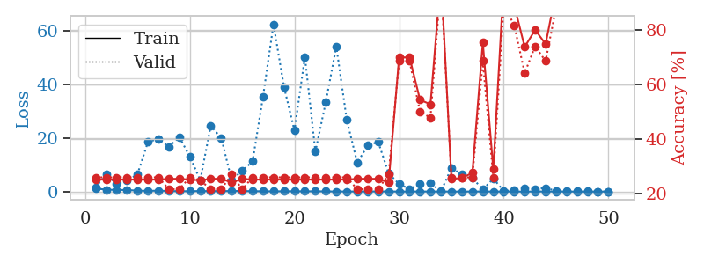
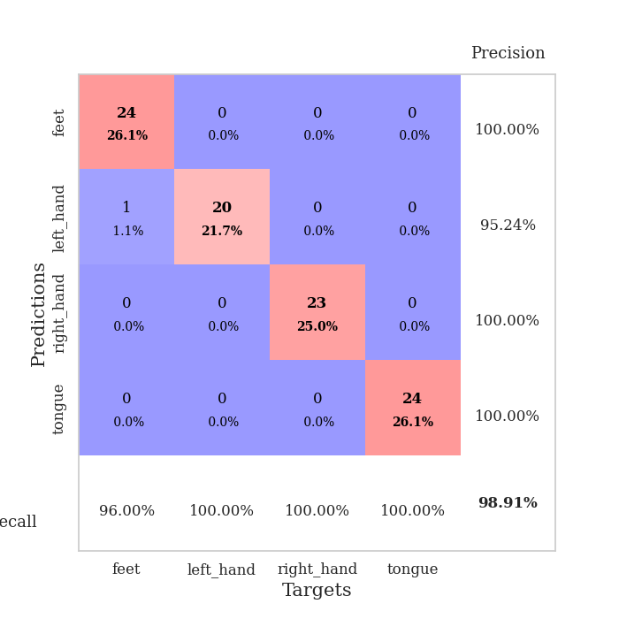
train_loss | valid_loss | train_accuracy | valid_accuracy | dur | train_misclass | valid_misclass
1.1535992208 | 1.599911358 | 0.2527173913 | 0.26086956522 | 0.089348316193 | 25.27173913 | 26.086956522
0.74238843374 | 6.4428252552 | 0.2527173913 | 0.26086956522 | 0.086858510971 | 25.27173913 | 26.086956522
0.62406516723 | 2.9437369575 | 0.2527173913 | 0.26086956522 | 0.086573600769 | 25.27173913 | 26.086956522
0.60485509362 | 4.0512890712 | 0.2527173913 | 0.26086956522 | 0.08669424057 | 25.27173913 | 26.086956522
0.36590237851 | 6.4827651356 | 0.2527173913 | 0.26086956522 | 0.087109088898 | 25.27173913 | 26.086956522
0.27658780761 | 18.461403059 | 0.2527173913 | 0.26086956522 | 0.087275505066 | 25.27173913 | 26.086956522
0.35617094487 | 19.669313597 | 0.2527173913 | 0.26086956522 | 0.08761548996 | 25.27173913 | 26.086956522
0.22637123696 | 16.692123994 | 0.25543478261 | 0.21739130435 | 0.087751865387 | 25.543478261 | 21.739130435
0.1525027245 | 20.306894137 | 0.25543478261 | 0.21739130435 | 0.087610244751 | 25.543478261 | 21.739130435
0.16566448246 | 13.126929739 | 0.2527173913 | 0.26086956522 | 0.087735652924 | 25.27173913 | 26.086956522
0.22238985054 | 4.2556728591 | 0.25 | 0.25 | 0.087562322617 | 25 | 25
0.18796537541 | 24.498757404 | 0.25543478261 | 0.21739130435 | 0.087589025497 | 25.543478261 | 21.739130435
0.18925646433 | 20.041471398 | 0.25543478261 | 0.21739130435 | 0.089859724045 | 25.543478261 | 21.739130435
0.23206825878 | 4.2805138256 | 0.24184782609 | 0.27173913043 | 0.087737798691 | 24.184782609 | 27.173913043
0.24291276096 | 7.7682327602 | 0.25543478261 | 0.21739130435 | 0.08757019043 | 25.543478261 | 21.739130435
0.14869239189 | 11.248970985 | 0.2527173913 | 0.26086956522 | 0.087359189987 | 25.27173913 | 26.086956522
0.14705399764 | 35.406618035 | 0.2527173913 | 0.26086956522 | 0.087723731995 | 25.27173913 | 26.086956522
0.097427965243 | 62.33580299 | 0.2527173913 | 0.26086956522 | 0.088004112244 | 25.27173913 | 26.086956522
0.14280091791 | 39.0372817 | 0.2527173913 | 0.26086956522 | 0.08802485466 | 25.27173913 | 26.086956522
0.12829030807 | 22.712539756 | 0.2527173913 | 0.26086956522 | 0.087671041489 | 25.27173913 | 26.086956522
0.11905802428 | 50.174088851 | 0.2527173913 | 0.26086956522 | 0.087929725647 | 25.27173913 | 26.086956522
0.11838881392 | 14.865889549 | 0.2527173913 | 0.26086956522 | 0.088463306427 | 25.27173913 | 26.086956522
0.092566627371 | 33.471055404 | 0.2527173913 | 0.26086956522 | 0.088442802429 | 25.27173913 | 26.086956522
0.048792326747 | 54.042678335 | 0.2527173913 | 0.26086956522 | 0.088043928146 | 25.27173913 | 26.086956522
0.054102580362 | 26.702109295 | 0.2527173913 | 0.26086956522 | 0.088048219681 | 25.27173913 | 26.086956522
0.047568588943 | 10.781728579 | 0.25543478261 | 0.21739130435 | 0.088137865067 | 25.543478261 | 21.739130435
0.063430201505 | 17.149492844 | 0.25543478261 | 0.21739130435 | 0.088561058044 | 25.543478261 | 21.739130435
0.064888677479 | 18.555809353 | 0.25543478261 | 0.21739130435 | 0.088251113892 | 25.543478261 | 21.739130435
0.066157304717 | 6.8619680819 | 0.24184782609 | 0.27173913043 | 0.088329315186 | 24.184782609 | 27.173913043
0.033957342146 | 2.8315544854 | 0.69836956522 | 0.6847826087 | 0.088073730469 | 69.836956522 | 68.47826087
0.055309115246 | 0.97101034807 | 0.69836956522 | 0.6847826087 | 0.088508367538 | 69.836956522 | 68.47826087
0.048861279307 | 2.8451246593 | 0.54347826087 | 0.5 | 0.088195800781 | 54.347826087 | 50
0.040448119859 | 3.1317037292 | 0.52717391304 | 0.47826086957 | 0.088150262833 | 52.717391304 | 47.826086957
0.042480216255 | 0.10796309586 | 0.9972826087 | 0.97826086957 | 0.087973833084 | 99.72826087 | 97.826086957
0.041201888881 | 8.8342333255 | 0.25543478261 | 0.26086956522 | 0.088660478592 | 25.543478261 | 26.086956522
0.012454130553 | 6.3368481968 | 0.25815217391 | 0.26086956522 | 0.087811470032 | 25.815217391 | 26.086956522
0.059687312224 | 5.1055905923 | 0.27717391304 | 0.26086956522 | 0.087671756744 | 27.717391304 | 26.086956522
0.02881913425 | 0.78706252575 | 0.7527173913 | 0.6847826087 | 0.088284492493 | 75.27173913 | 68.47826087
0.039401594565 | 4.8493357741 | 0.29076086957 | 0.26086956522 | 0.087807893753 | 29.076086957 | 26.086956522
0.021534956945 | 0.24914463383 | 0.97554347826 | 0.89130434783 | 0.087492227554 | 97.554347826 | 89.130434783
0.027135371851 | 0.52654468754 | 0.88858695652 | 0.8152173913 | 0.08753824234 | 88.858695652 | 81.52173913
0.021957350644 | 1.1312700769 | 0.73641304348 | 0.64130434783 | 0.087699890137 | 73.641304348 | 64.130434783
0.032335739159 | 0.98034125307 | 0.79891304348 | 0.73913043478 | 0.089847564697 | 79.891304348 | 73.913043478
0.057611380934 | 1.3578024222 | 0.7472826087 | 0.6847826087 | 0.087741136551 | 74.72826087 | 68.47826087
0.024974593395 | 0.28909511152 | 0.9375 | 0.88043478261 | 0.088205099106 | 93.75 | 88.043478261
0.018365327541 | 0.13885385867 | 0.99456521739 | 0.97826086957 | 0.088086366653 | 99.456521739 | 97.826086957
0.023502830509 | 0.099549590893 | 0.9972826087 | 0.98913043478 | 0.090182065964 | 99.72826087 | 98.913043478
0.016680386017 | 0.094864502549 | 0.9972826087 | 0.98913043478 | 0.08784866333 | 99.72826087 | 98.913043478
0.033728768206 | 0.078226238165 | 1 | 0.98913043478 | 0.087833166122 | 100 | 98.913043478
0.015015805302 | 0.067780194521 | 1 | 0.98913043478 | 0.087597370148 | 100 | 98.913043478

Best Val accuracy is 0.9891304347826086 and Best test accuracy is 0.9655172413793104

Sheet10
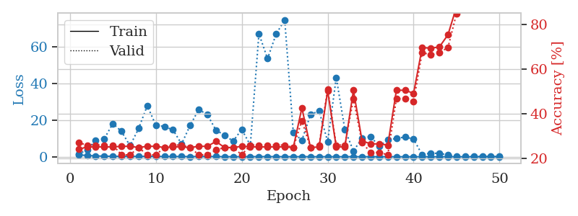
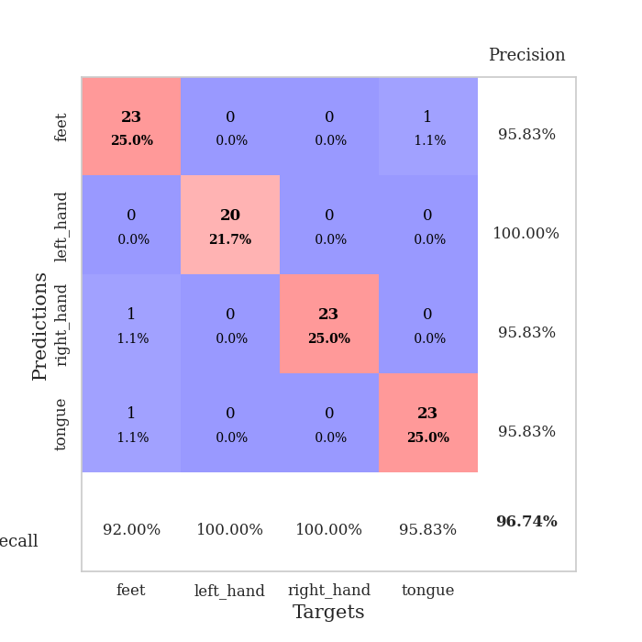
train_loss | valid_loss | train_accuracy | valid_accuracy | dur | train_misclass | valid_misclass
1.0392824515 | 1.3896550303 | 0.24184782609 | 0.27173913043 | 0.090089559555 | 24.184782609 | 27.173913043
0.716173264 | 3.9234944945 | 0.2527173913 | 0.26086956522 | 0.091851234436 | 25.27173913 | 26.086956522
0.48891271716 | 8.9265282258 | 0.2527173913 | 0.26086956522 | 0.092061519623 | 25.27173913 | 26.086956522
0.33969771311 | 9.8248105671 | 0.2527173913 | 0.26086956522 | 0.084735631943 | 25.27173913 | 26.086956522
0.26772777153 | 18.17422021 | 0.2527173913 | 0.26086956522 | 0.08528637886 | 25.27173913 | 26.086956522
0.21937625329 | 13.859971212 | 0.25543478261 | 0.21739130435 | 0.084841012955 | 25.543478261 | 21.739130435
0.21904380709 | 6.003242389 | 0.25543478261 | 0.21739130435 | 0.085342407227 | 25.543478261 | 21.739130435
0.19944371153 | 15.434058645 | 0.25 | 0.25 | 0.085730314255 | 25 | 25
0.23593087114 | 27.887215573 | 0.25543478261 | 0.21739130435 | 0.085508346558 | 25.543478261 | 21.739130435
0.20604052751 | 17.264090994 | 0.25543478261 | 0.21739130435 | 0.08566570282 | 25.543478261 | 21.739130435
0.1565092385 | 16.539247098 | 0.25 | 0.25 | 0.085664749146 | 25 | 25
0.16074555715 | 14.655705369 | 0.2527173913 | 0.26086956522 | 0.0857629776 | 25.27173913 | 26.086956522
0.15984675839 | 7.0227419604 | 0.2527173913 | 0.26086956522 | 0.088068962097 | 25.27173913 | 26.086956522
0.09891986029 | 17.192141326 | 0.25 | 0.25 | 0.086766719818 | 25 | 25
0.17834135015 | 25.868337631 | 0.25543478261 | 0.21739130435 | 0.086547374725 | 25.543478261 | 21.739130435
0.13727493541 | 22.912184591 | 0.25543478261 | 0.21739130435 | 0.086812019348 | 25.543478261 | 21.739130435
0.11786914586 | 14.543189546 | 0.27717391304 | 0.23913043478 | 0.086771011353 | 27.717391304 | 23.913043478
0.074754580972 | 11.748476319 | 0.25 | 0.25 | 0.088899850845 | 25 | 25
0.04846905474 | 8.5331350824 | 0.25 | 0.25 | 0.086570262909 | 25 | 25
0.068430479611 | 14.966843812 | 0.25543478261 | 0.21739130435 | 0.085853815079 | 25.543478261 | 21.739130435
0.070641748233 | 6.2967841936 | 0.2527173913 | 0.26086956522 | 0.085661172867 | 25.27173913 | 26.086956522
0.10039446173 | 67.20548779 | 0.2527173913 | 0.26086956522 | 0.085700273514 | 25.27173913 | 26.086956522
0.096581662641 | 53.549499678 | 0.2527173913 | 0.26086956522 | 0.085535764694 | 25.27173913 | 26.086956522
0.091898646401 | 66.943031974 | 0.2527173913 | 0.26086956522 | 0.08559679985 | 25.27173913 | 26.086956522
0.058905118975 | 74.761062954 | 0.2527173913 | 0.26086956522 | 0.085716247559 | 25.27173913 | 26.086956522
0.052340272956 | 13.140335539 | 0.25 | 0.25 | 0.085479021072 | 25 | 25
0.082057903728 | 9.0299262586 | 0.42663043478 | 0.36956521739 | 0.085381746292 | 42.663043478 | 36.956521739
0.046190996816 | 22.96893692 | 0.25 | 0.25 | 0.085833311081 | 25 | 25
0.041028189415 | 25.110050948 | 0.2527173913 | 0.26086956522 | 0.08562207222 | 25.27173913 | 26.086956522
0.061144337331 | 8.316170651 | 0.5027173913 | 0.51086956522 | 0.085976600647 | 50.27173913 | 51.086956522
0.039065735763 | 43.272221607 | 0.2527173913 | 0.26086956522 | 0.085868358612 | 25.27173913 | 26.086956522
0.052960638058 | 14.896900882 | 0.2527173913 | 0.26086956522 | 0.085744857788 | 25.27173913 | 26.086956522
0.051921651213 | 3.1564316231 | 0.50543478261 | 0.46739130435 | 0.086042165756 | 50.543478261 | 46.739130435
0.037665677199 | 10.094377725 | 0.27989130435 | 0.27173913043 | 0.085640668869 | 27.989130435 | 27.173913043
0.021758307522 | 10.971441062 | 0.26630434783 | 0.22826086957 | 0.085518121719 | 26.630434783 | 22.826086957
0.038360500173 | 5.7931539494 | 0.26630434783 | 0.22826086957 | 0.085718631744 | 26.630434783 | 22.826086957
0.04676936784 | 9.2521507014 | 0.26086956522 | 0.21739130435 | 0.085571289062 | 26.086956522 | 21.739130435
0.032245106271 | 9.9915125059 | 0.50543478261 | 0.46739130435 | 0.085388898849 | 50.543478261 | 46.739130435
0.026966859265 | 10.804689449 | 0.50543478261 | 0.46739130435 | 0.086043119431 | 50.543478261 | 46.739130435
0.037247426648 | 9.678002938 | 0.49184782609 | 0.45652173913 | 0.085727453232 | 49.184782609 | 45.652173913
0.019786504689 | 1.0654187617 | 0.69565217391 | 0.67391304348 | 0.086205482483 | 69.565217391 | 67.391304348
0.034758634149 | 2.0302526951 | 0.69293478261 | 0.66304347826 | 0.086303472519 | 69.293478261 | 66.304347826
0.033146849849 | 1.8118240315 | 0.69836956522 | 0.67391304348 | 0.085547208786 | 69.836956522 | 67.391304348
0.013933156825 | 1.025256753 | 0.7527173913 | 0.69565217391 | 0.085697650909 | 75.27173913 | 69.565217391
0.020272218811 | 0.39580374179 | 0.8777173913 | 0.84782608696 | 0.086326122284 | 87.77173913 | 84.782608696
0.026172924744 | 0.37714157675 | 0.90217391304 | 0.86956521739 | 0.085997104645 | 90.217391304 | 86.956521739
0.0079362680465 | 0.15848060398 | 1 | 0.96739130435 | 0.085709571838 | 100 | 96.739130435
0.023289846102 | 0.18454660301 | 1 | 0.96739130435 | 0.085723638535 | 100 | 96.739130435
0.041795981327 | 0.18836574147 | 1 | 0.96739130435 | 0.085861444473 | 100 | 96.739130435
0.019960662975 | 0.18421174104 | 1 | 0.96739130435 | 0.086359024048 | 100 | 96.739130435

Best Val accuracy is 0.967391304347826 and Best test accuracy is 0.9655172413793104

