Sheet
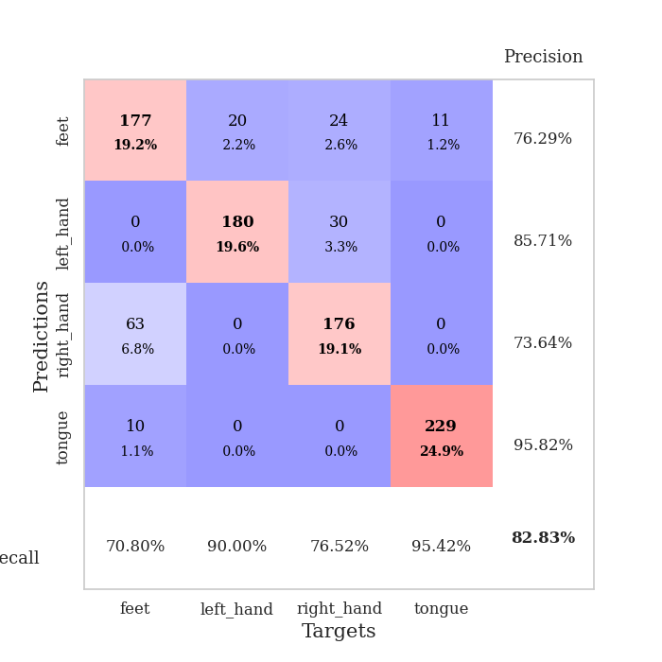
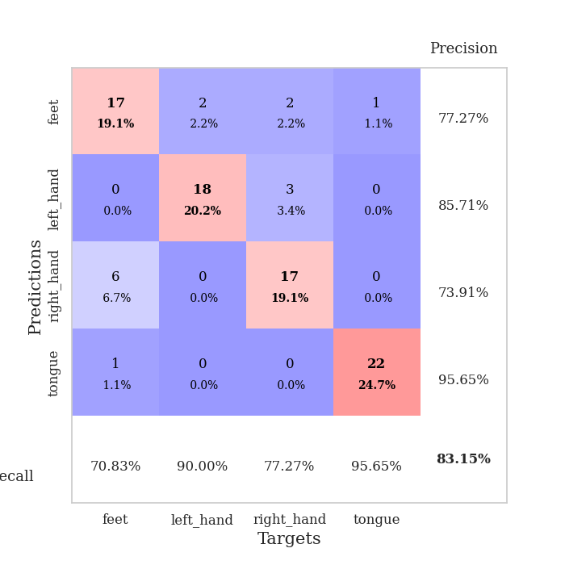
best_val_acc | best_val_los | best_test_acc
0.96739130435 | 0.07209283405 | 0.96551724138
0.98913043478 | 0.053536817593 | 0.95689655172
0.73913043478 | 1.8634459869 | 0.69827586207
0.52173913043 | 1.787862503 | 0.47413793103
0.59782608696 | 1.398508357 | 0.62931034483
0.9347826087 | 0.17404494726 | 0.89655172414
0.84782608696 | 0.32772611859 | 0.83620689655
0.98913043478 | 0.075439340394 | 0.93965517241
0.97826086957 | 0.079309440663 | 0.93103448276
0.71739130435 | 1.4948726167 | 0.74137931034

Mean,std Val accuracy is 0.8282608695652174 , 0.17404886001085298 and mean, std test accuracy is 0.8068965517241381 , 0.16598154863732092

Sheet1
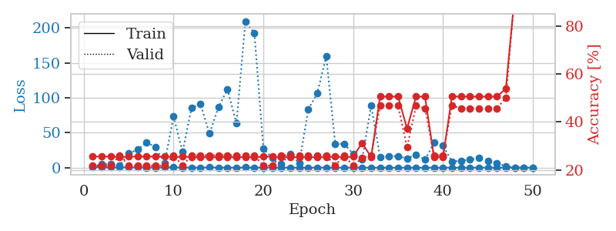
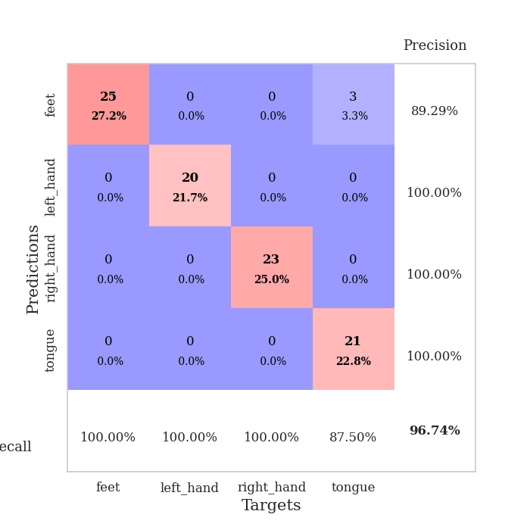
train_loss | valid_loss | train_accuracy | valid_accuracy | dur | train_misclass | valid_misclass
1.0619047906 | 1.7294885646 | 0.25543478261 | 0.21739130435 | 0.087499856949 | 25.543478261 | 21.739130435
0.61001235895 | 5.1680577734 | 0.25543478261 | 0.21739130435 | 0.086450099945 | 25.543478261 | 21.739130435
0.48902193165 | 5.3067555842 | 0.25543478261 | 0.21739130435 | 0.085947751999 | 25.543478261 | 21.739130435
0.41999964934 | 3.4589538263 | 0.2527173913 | 0.26086956522 | 0.086015701294 | 25.27173913 | 26.086956522
0.51012839636 | 20.617597746 | 0.25543478261 | 0.21739130435 | 0.088060617447 | 25.543478261 | 21.739130435
0.31526155413 | 25.779623197 | 0.25543478261 | 0.21739130435 | 0.084586620331 | 25.543478261 | 21.739130435
0.26755801426 | 36.455558279 | 0.25543478261 | 0.21739130435 | 0.085003614426 | 25.543478261 | 21.739130435
0.20904166057 | 29.034471014 | 0.25543478261 | 0.21739130435 | 0.086077213287 | 25.543478261 | 21.739130435
0.32848383 | 6.1509742115 | 0.25543478261 | 0.21739130435 | 0.085695505142 | 25.543478261 | 21.739130435
0.29561723631 | 73.463659867 | 0.2527173913 | 0.26086956522 | 0.085686922073 | 25.27173913 | 26.086956522
0.24760989424 | 22.411002864 | 0.25543478261 | 0.21739130435 | 0.085544347763 | 25.543478261 | 21.739130435
0.19321319056 | 85.70194178 | 0.2527173913 | 0.26086956522 | 0.085871934891 | 25.27173913 | 26.086956522
0.26537430805 | 91.116221552 | 0.2527173913 | 0.26086956522 | 0.08558678627 | 25.27173913 | 26.086956522
0.36322018132 | 48.857675801 | 0.2527173913 | 0.26086956522 | 0.085612297058 | 25.27173913 | 26.086956522
0.29247367423 | 86.653921708 | 0.2527173913 | 0.26086956522 | 0.085623264313 | 25.27173913 | 26.086956522
0.15619996206 | 112.15408226 | 0.2527173913 | 0.26086956522 | 0.085808992386 | 25.27173913 | 26.086956522
0.16133209569 | 63.326532779 | 0.2527173913 | 0.26086956522 | 0.085685253143 | 25.27173913 | 26.086956522
0.2951861824 | 209.72303639 | 0.2527173913 | 0.26086956522 | 0.085673093796 | 25.27173913 | 26.086956522
0.17627254537 | 192.51009004 | 0.2527173913 | 0.26086956522 | 0.086015224457 | 25.27173913 | 26.086956522
0.18293293144 | 27.264657974 | 0.25543478261 | 0.21739130435 | 0.085935115814 | 25.543478261 | 21.739130435
0.20089418927 | 13.793338071 | 0.25543478261 | 0.21739130435 | 0.085681676865 | 25.543478261 | 21.739130435
0.14703903232 | 5.5367605583 | 0.2527173913 | 0.26086956522 | 0.085473775864 | 25.27173913 | 26.086956522
0.15760429163 | 19.88995295 | 0.2527173913 | 0.26086956522 | 0.085413455963 | 25.27173913 | 26.086956522
0.14116469868 | 6.1540990912 | 0.2527173913 | 0.26086956522 | 0.089037656784 | 25.27173913 | 26.086956522
0.076065682685 | 83.526794434 | 0.2527173913 | 0.26086956522 | 0.087129592896 | 25.27173913 | 26.086956522
0.19689451466 | 106.30090299 | 0.2527173913 | 0.26086956522 | 0.086521625519 | 25.27173913 | 26.086956522
0.1765662635 | 159.31456856 | 0.2527173913 | 0.26086956522 | 0.086389064789 | 25.27173913 | 26.086956522
0.1665068485 | 34.440525718 | 0.25543478261 | 0.21739130435 | 0.086606740952 | 25.543478261 | 21.739130435
0.082170297311 | 33.97996322 | 0.2527173913 | 0.26086956522 | 0.086624860764 | 25.27173913 | 26.086956522
0.060596964727 | 19.632942448 | 0.25543478261 | 0.21739130435 | 0.086401462555 | 25.543478261 | 21.739130435
0.11168997461 | 11.841517117 | 0.3125 | 0.25 | 0.086525201797 | 31.25 | 25
0.12436366658 | 88.890342381 | 0.2527173913 | 0.26086956522 | 0.086838722229 | 25.27173913 | 26.086956522
0.072104501983 | 15.082530146 | 0.50543478261 | 0.46739130435 | 0.086407184601 | 50.543478261 | 46.739130435
0.082795590274 | 16.121185759 | 0.50543478261 | 0.46739130435 | 0.086771011353 | 50.543478261 | 46.739130435
0.045863924335 | 16.498705822 | 0.50543478261 | 0.46739130435 | 0.086717128754 | 50.543478261 | 46.739130435
0.1355061024 | 13.04641508 | 0.3722826087 | 0.29347826087 | 0.086460590363 | 37.22826087 | 29.347826087
0.087259268631 | 18.936363137 | 0.50543478261 | 0.46739130435 | 0.086651325226 | 50.543478261 | 46.739130435
0.094528642301 | 11.428038224 | 0.50543478261 | 0.45652173913 | 0.086466789246 | 50.543478261 | 45.652173913
0.043272405681 | 35.675835817 | 0.2527173913 | 0.26086956522 | 0.08652305603 | 25.27173913 | 26.086956522
0.043318462092 | 31.763041704 | 0.2527173913 | 0.26086956522 | 0.086707830429 | 25.27173913 | 26.086956522
0.031689171872 | 8.3999394334 | 0.50543478261 | 0.46739130435 | 0.086575984955 | 50.543478261 | 46.739130435
0.062750198554 | 10.13029281 | 0.50543478261 | 0.45652173913 | 0.086310625076 | 50.543478261 | 45.652173913
0.032569369711 | 11.511020163 | 0.50543478261 | 0.45652173913 | 0.086746931076 | 50.543478261 | 45.652173913
0.073666270336 | 13.68063425 | 0.50543478261 | 0.45652173913 | 0.086531162262 | 50.543478261 | 45.652173913
0.073207425227 | 10.092838661 | 0.50543478261 | 0.45652173913 | 0.08648276329 | 50.543478261 | 45.652173913
0.035007424035 | 6.6809426805 | 0.50543478261 | 0.45652173913 | 0.086441040039 | 50.543478261 | 45.652173913
0.057980860006 | 1.8689417943 | 0.53804347826 | 0.5 | 0.086464166641 | 53.804347826 | 50
0.13542695694 | 0.20100392855 | 0.93206521739 | 0.9347826087 | 0.086655855179 | 93.206521739 | 93.47826087
0.048620356632 | 0.083621815495 | 0.98913043478 | 0.96739130435 | 0.086753845215 | 98.913043478 | 96.739130435
0.05079749424 | 0.07209283405 | 0.99184782609 | 0.95652173913 | 0.086659908295 | 99.184782609 | 95.652173913

Best Val accuracy is 0.967391304347826 and Best test accuracy is 0.9655172413793104

Sheet2
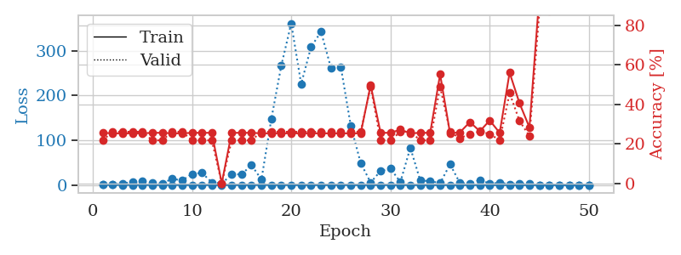
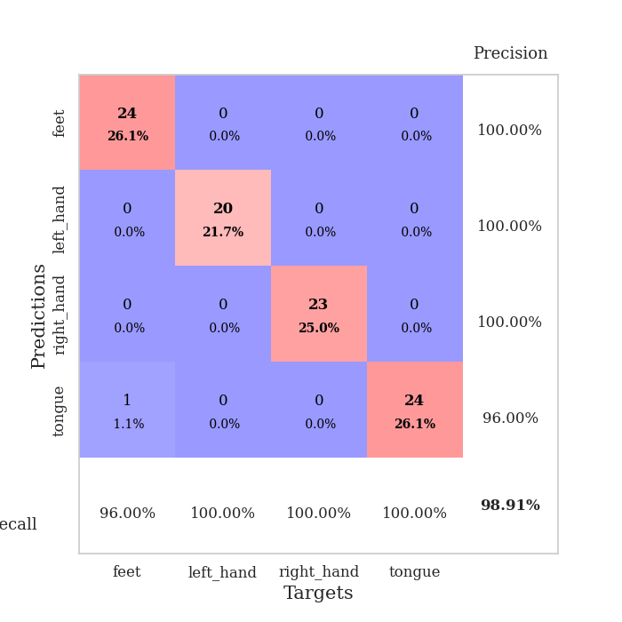
train_loss | valid_loss | train_accuracy | valid_accuracy | dur | train_misclass | valid_misclass
0.99217073036 | 1.4192941759 | 0.25543478261 | 0.21739130435 | 0.087304830551 | 25.543478261 | 21.739130435
0.5764569692 | 1.8271618667 | 0.2527173913 | 0.26086956522 | 0.085912466049 | 25.27173913 | 26.086956522
0.44104681391 | 2.8697518991 | 0.2527173913 | 0.26086956522 | 0.086089849472 | 25.27173913 | 26.086956522
0.44066823209 | 7.6434260451 | 0.2527173913 | 0.26086956522 | 0.087015628815 | 25.27173913 | 26.086956522
0.36442642108 | 8.3683102235 | 0.2527173913 | 0.26086956522 | 0.086489439011 | 25.27173913 | 26.086956522
0.23542996593 | 5.1080135884 | 0.25543478261 | 0.21739130435 | 0.086374044418 | 25.543478261 | 21.739130435
0.25048712155 | 3.1123079943 | 0.25543478261 | 0.21739130435 | 0.086455583572 | 25.543478261 | 21.739130435
0.37499415227 | 14.350435879 | 0.2527173913 | 0.26086956522 | 0.086637735367 | 25.27173913 | 26.086956522
0.31139585092 | 10.185787077 | 0.2527173913 | 0.26086956522 | 0.086622953415 | 25.27173913 | 26.086956522
0.12385332107 | 24.82702446 | 0.25543478261 | 0.21739130435 | 0.086327314377 | 25.543478261 | 21.739130435
0.13524341717 | 27.450507371 | 0.25543478261 | 0.21739130435 | 0.086365699768 | 25.543478261 | 21.739130435
0.25536913554 | 6.0996977972 | 0.25543478261 | 0.21739130435 | 0.086537599564 | 25.543478261 | 21.739130435
0.15250430973 | 3.8301823657 | 0 | 0 | 0.087085008621 | 0 | 0
0.15472613688 | 23.450512845 | 0.25543478261 | 0.21739130435 | 0.086522102356 | 25.543478261 | 21.739130435
0.18047177528 | 24.296674397 | 0.25543478261 | 0.21739130435 | 0.086184740067 | 25.543478261 | 21.739130435
0.17041155056 | 44.477477198 | 0.25543478261 | 0.21739130435 | 0.086507558823 | 25.543478261 | 21.739130435
0.35375633532 | 12.467233948 | 0.2527173913 | 0.26086956522 | 0.086465358734 | 25.27173913 | 26.086956522
0.37384097829 | 147.88118246 | 0.2527173913 | 0.26086956522 | 0.090103149414 | 25.27173913 | 26.086956522
0.13459401772 | 266.71583756 | 0.2527173913 | 0.26086956522 | 0.087208747864 | 25.27173913 | 26.086956522
0.16767549304 | 360.79780512 | 0.2527173913 | 0.26086956522 | 0.087299346924 | 25.27173913 | 26.086956522
0.087486603783 | 225.66815252 | 0.2527173913 | 0.26086956522 | 0.086955308914 | 25.27173913 | 26.086956522
0.10090676227 | 308.2328133 | 0.2527173913 | 0.26086956522 | 0.086959123611 | 25.27173913 | 26.086956522
0.058903185792 | 342.12419991 | 0.2527173913 | 0.26086956522 | 0.086841583252 | 25.27173913 | 26.086956522
0.066558277882 | 261.70177161 | 0.2527173913 | 0.26086956522 | 0.086824655533 | 25.27173913 | 26.086956522
0.22415127208 | 263.32809515 | 0.2527173913 | 0.26086956522 | 0.086914300919 | 25.27173913 | 26.086956522
0.1006396675 | 132.25688569 | 0.2527173913 | 0.26086956522 | 0.086862564087 | 25.27173913 | 26.086956522
0.070759297632 | 49.083937106 | 0.2527173913 | 0.26086956522 | 0.087036371231 | 25.27173913 | 26.086956522
0.15313906144 | 5.727644402 | 0.4972826087 | 0.48913043478 | 0.086958408356 | 49.72826087 | 48.913043478
0.10799401245 | 31.539185731 | 0.25543478261 | 0.21739130435 | 0.087495088577 | 25.543478261 | 21.739130435
0.053624813425 | 36.936072972 | 0.25543478261 | 0.21739130435 | 0.086963653564 | 25.543478261 | 21.739130435
0.047796977937 | 6.900168564 | 0.27173913043 | 0.26086956522 | 0.087276697159 | 27.173913043 | 26.086956522
0.082136710144 | 83.320115463 | 0.2527173913 | 0.26086956522 | 0.087408781052 | 25.27173913 | 26.086956522
0.041909671449 | 10.25770631 | 0.25543478261 | 0.21739130435 | 0.087099552155 | 25.543478261 | 21.739130435
0.051087846003 | 8.8820301968 | 0.25543478261 | 0.21739130435 | 0.086968183517 | 25.543478261 | 21.739130435
0.048204549477 | 4.3458376138 | 0.55163043478 | 0.48913043478 | 0.087172031403 | 55.163043478 | 48.913043478
0.036988249853 | 46.423970927 | 0.2527173913 | 0.26086956522 | 0.087823390961 | 25.27173913 | 26.086956522
0.042398821127 | 4.492005908 | 0.25815217391 | 0.22826086957 | 0.087609767914 | 25.815217391 | 22.826086957
0.043252227696 | 2.7671491063 | 0.3097826087 | 0.25 | 0.087299585342 | 30.97826087 | 25
0.12694466058 | 11.583539755 | 0.26358695652 | 0.26086956522 | 0.087179899216 | 26.358695652 | 26.086956522
0.038976092803 | 3.274511555 | 0.31793478261 | 0.25 | 0.087036132812 | 31.793478261 | 25
0.063739426687 | 5.0819271544 | 0.25543478261 | 0.21739130435 | 0.087204217911 | 25.543478261 | 21.739130435
0.054273884581 | 2.2230289397 | 0.5597826087 | 0.45652173913 | 0.087222099304 | 55.97826087 | 45.652173913
0.02682814332 | 2.9839672731 | 0.40489130435 | 0.3152173913 | 0.087045431137 | 40.489130435 | 31.52173913
0.032032708268 | 3.5374760524 | 0.28260869565 | 0.23913043478 | 0.087260007858 | 28.260869565 | 23.913043478
0.040543599338 | 0.29596156271 | 0.94836956522 | 0.86956521739 | 0.087037324905 | 94.836956522 | 86.956521739
0.06837951641 | 0.30644583961 | 0.96195652174 | 0.86956521739 | 0.087608575821 | 96.195652174 | 86.956521739
0.0275102856 | 0.097597248852 | 1 | 0.94565217391 | 0.087705850601 | 100 | 94.565217391
0.041631571554 | 0.13968084364 | 0.9972826087 | 0.92391304348 | 0.087373495102 | 99.72826087 | 92.391304348
0.12670286024 | 0.053536817593 | 1 | 0.98913043478 | 0.087176084518 | 100 | 98.913043478
0.062998929625 | 0.0536369027 | 1 | 0.98913043478 | 0.087939023972 | 100 | 98.913043478

Best Val accuracy is 0.9891304347826086 and Best test accuracy is 0.9568965517241379

Sheet3
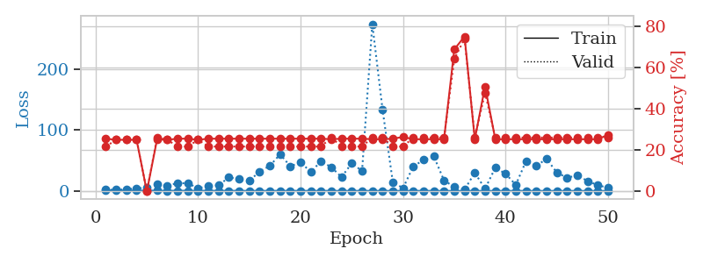
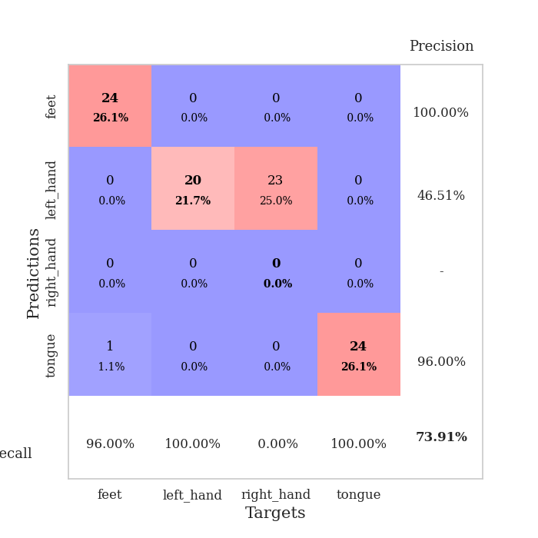
train_loss | valid_loss | train_accuracy | valid_accuracy | dur | train_misclass | valid_misclass
1.0522324495 | 1.9842005294 | 0.25543478261 | 0.21739130435 | 0.086908578873 | 25.543478261 | 21.739130435
0.53143656254 | 1.8634459869 | 0.25 | 0.25 | 0.086453676224 | 25 | 25
0.52074975358 | 2.4858451408 | 0.25 | 0.25 | 0.086725711823 | 25 | 25
0.48308921055 | 4.3159678293 | 0.25 | 0.25 | 0.087036848068 | 25 | 25
0.42333845146 | 4.7497448507 | 0 | 0 | 0.087324142456 | 0 | 0
0.42071988758 | 10.456738887 | 0.2527173913 | 0.26086956522 | 0.087205886841 | 25.27173913 | 26.086956522
0.27970419241 | 8.5464594053 | 0.25 | 0.25 | 0.087110757828 | 25 | 25
0.30914621444 | 12.770164448 | 0.25543478261 | 0.21739130435 | 0.086790323257 | 25.543478261 | 21.739130435
0.29839178499 | 12.512941982 | 0.25543478261 | 0.21739130435 | 0.086734056473 | 25.543478261 | 21.739130435
0.18321445665 | 4.4689660694 | 0.25 | 0.25 | 0.087115287781 | 25 | 25
0.35315805155 | 7.8224647771 | 0.25543478261 | 0.21739130435 | 0.08705997467 | 25.543478261 | 21.739130435
0.22718592474 | 9.2471978561 | 0.25543478261 | 0.21739130435 | 0.087079524994 | 25.543478261 | 21.739130435
0.25186414004 | 22.136598255 | 0.25543478261 | 0.21739130435 | 0.08730006218 | 25.543478261 | 21.739130435
0.14601398928 | 19.519983375 | 0.25543478261 | 0.21739130435 | 0.087007761002 | 25.543478261 | 21.739130435
0.086295962253 | 16.363046149 | 0.25543478261 | 0.21739130435 | 0.087095737457 | 25.543478261 | 21.739130435
0.1294256697 | 31.978638525 | 0.25543478261 | 0.21739130435 | 0.086926698685 | 25.543478261 | 21.739130435
0.12464238472 | 41.151676012 | 0.25543478261 | 0.21739130435 | 0.086661577225 | 25.543478261 | 21.739130435
0.17073885113 | 60.164678988 | 0.25543478261 | 0.21739130435 | 0.087063550949 | 25.543478261 | 21.739130435
0.12252181453 | 40.605484175 | 0.25543478261 | 0.21739130435 | 0.086747169495 | 25.543478261 | 21.739130435
0.15875583871 | 46.735860244 | 0.25543478261 | 0.21739130435 | 0.087194681168 | 25.543478261 | 21.739130435
0.078977309815 | 31.386696857 | 0.25543478261 | 0.21739130435 | 0.087289094925 | 25.543478261 | 21.739130435
0.14429000188 | 48.629367497 | 0.25543478261 | 0.21739130435 | 0.087222099304 | 25.543478261 | 21.739130435
0.10214919431 | 38.946232174 | 0.2527173913 | 0.26086956522 | 0.087486028671 | 25.27173913 | 26.086956522
0.072070728684 | 22.767649526 | 0.25543478261 | 0.21739130435 | 0.087377786636 | 25.543478261 | 21.739130435
0.10623780828 | 45.564274166 | 0.25543478261 | 0.21739130435 | 0.086938381195 | 25.543478261 | 21.739130435
0.12839078199 | 32.646080846 | 0.25543478261 | 0.21739130435 | 0.088175773621 | 25.543478261 | 21.739130435
0.077016954017 | 274.1538829 | 0.2527173913 | 0.26086956522 | 0.085650205612 | 25.27173913 | 26.086956522
0.054633407894 | 133.50270512 | 0.2527173913 | 0.26086956522 | 0.085375547409 | 25.27173913 | 26.086956522
0.11486564506 | 14.550665524 | 0.25543478261 | 0.21739130435 | 0.085294485092 | 25.543478261 | 21.739130435
0.064299219501 | 4.4849428716 | 0.26358695652 | 0.21739130435 | 0.085192918777 | 26.358695652 | 21.739130435
0.11102815821 | 40.370261814 | 0.2527173913 | 0.26086956522 | 0.08526301384 | 25.27173913 | 26.086956522
0.14323607376 | 50.805141283 | 0.2527173913 | 0.26086956522 | 0.085206031799 | 25.27173913 | 26.086956522
0.074039927167 | 56.804312665 | 0.2527173913 | 0.26086956522 | 0.085099697113 | 25.27173913 | 26.086956522
0.04235443728 | 17.038445182 | 0.2527173913 | 0.26086956522 | 0.085162401199 | 25.27173913 | 26.086956522
0.038030394161 | 6.631979196 | 0.6875 | 0.64130434783 | 0.085163593292 | 68.75 | 64.130434783
0.069073625081 | 2.1912684855 | 0.75 | 0.73913043478 | 0.08528637886 | 75 | 73.913043478
0.05797753146 | 29.855069948 | 0.2527173913 | 0.26086956522 | 0.085659265518 | 25.27173913 | 26.086956522
0.035707558758 | 3.4155965473 | 0.50815217391 | 0.47826086957 | 0.085374116898 | 50.815217391 | 47.826086957
0.053971055627 | 37.999948253 | 0.2527173913 | 0.26086956522 | 0.08776140213 | 25.27173913 | 26.086956522
0.094135942373 | 28.255778686 | 0.2527173913 | 0.26086956522 | 0.08598613739 | 25.27173913 | 26.086956522
0.11357332382 | 9.9683417859 | 0.2527173913 | 0.26086956522 | 0.086166143417 | 25.27173913 | 26.086956522
0.057688947281 | 48.900353971 | 0.2527173913 | 0.26086956522 | 0.085871458054 | 25.27173913 | 26.086956522
0.026434260896 | 40.989102073 | 0.2527173913 | 0.26086956522 | 0.086274862289 | 25.27173913 | 26.086956522
0.037096033956 | 52.766964622 | 0.2527173913 | 0.26086956522 | 0.086282968521 | 25.27173913 | 26.086956522
0.026606050674 | 30.271190229 | 0.2527173913 | 0.26086956522 | 0.086302757263 | 25.27173913 | 26.086956522
0.029219740081 | 21.518871888 | 0.2527173913 | 0.26086956522 | 0.086260557175 | 25.27173913 | 26.086956522
0.034122935921 | 25.722330093 | 0.2527173913 | 0.26086956522 | 0.086311578751 | 25.27173913 | 26.086956522
0.023879974787 | 16.190547819 | 0.2527173913 | 0.26086956522 | 0.086324214935 | 25.27173913 | 26.086956522
0.020267199274 | 9.4441934254 | 0.2527173913 | 0.26086956522 | 0.086066246033 | 25.27173913 | 26.086956522
0.063765320704 | 5.0877828598 | 0.27445652174 | 0.26086956522 | 0.086255311966 | 27.445652174 | 26.086956522

Best Val accuracy is 0.7391304347826086 and Best test accuracy is 0.6982758620689655

Sheet4
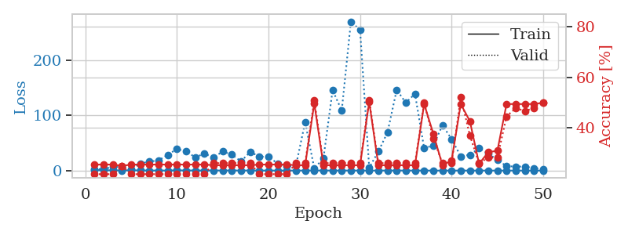
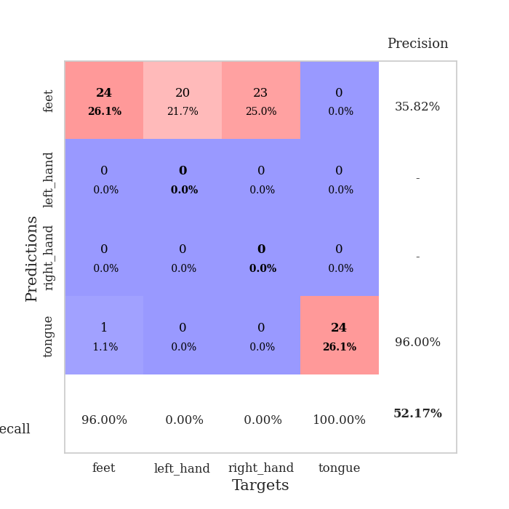
train_loss | valid_loss | train_accuracy | valid_accuracy | dur | train_misclass | valid_misclass
1.0167964671 | 1.787862503 | 0.25543478261 | 0.21739130435 | 0.087292432785 | 25.543478261 | 21.739130435
0.66248226943 | 3.2059655086 | 0.25543478261 | 0.21739130435 | 0.086018323898 | 25.543478261 | 21.739130435
0.50561291239 | 6.2724404542 | 0.25543478261 | 0.21739130435 | 0.085787057877 | 25.543478261 | 21.739130435
0.33812498625 | 7.3645900436 | 0.25 | 0.25 | 0.086062908173 | 25 | 25
0.54392183281 | 2.4551563159 | 0.25543478261 | 0.21739130435 | 0.086213111877 | 25.543478261 | 21.739130435
0.36895929245 | 12.820562943 | 0.25543478261 | 0.21739130435 | 0.086381435394 | 25.543478261 | 21.739130435
0.19675418848 | 16.144853592 | 0.25543478261 | 0.21739130435 | 0.086006164551 | 25.543478261 | 21.739130435
0.14286609067 | 18.671399324 | 0.25543478261 | 0.21739130435 | 0.085963487625 | 25.543478261 | 21.739130435
0.18005990767 | 28.33433342 | 0.25543478261 | 0.21739130435 | 0.086162090302 | 25.543478261 | 21.739130435
0.50994939244 | 39.276872552 | 0.25543478261 | 0.21739130435 | 0.086266994476 | 25.543478261 | 21.739130435
0.30245131756 | 34.513148266 | 0.25543478261 | 0.21739130435 | 0.08596777916 | 25.543478261 | 21.739130435
0.30074737108 | 24.150772178 | 0.25543478261 | 0.21739130435 | 0.08585858345 | 25.543478261 | 21.739130435
0.23178177586 | 30.717271722 | 0.25543478261 | 0.21739130435 | 0.086034536362 | 25.543478261 | 21.739130435
0.22523252731 | 23.719664781 | 0.2527173913 | 0.26086956522 | 0.08599615097 | 25.27173913 | 26.086956522
0.19065027862 | 34.668072742 | 0.2527173913 | 0.26086956522 | 0.086706638336 | 25.27173913 | 26.086956522
0.2202261939 | 28.725779989 | 0.2527173913 | 0.26086956522 | 0.086544036865 | 25.27173913 | 26.086956522
0.11892946243 | 16.755526626 | 0.2527173913 | 0.26086956522 | 0.086002349854 | 25.27173913 | 26.086956522
0.18651386638 | 33.814325747 | 0.2527173913 | 0.26086956522 | 0.086119174957 | 25.27173913 | 26.086956522
0.20402360602 | 25.333653657 | 0.25543478261 | 0.21739130435 | 0.08606338501 | 25.543478261 | 21.739130435
0.087537309195 | 25.033120446 | 0.25543478261 | 0.21739130435 | 0.085973024368 | 25.543478261 | 21.739130435
0.13312430747 | 12.67399933 | 0.25543478261 | 0.21739130435 | 0.086046934128 | 25.543478261 | 21.739130435
0.073055287985 | 7.988658677 | 0.25543478261 | 0.21739130435 | 0.086078643799 | 25.543478261 | 21.739130435
0.070664169768 | 8.9736991551 | 0.2527173913 | 0.26086956522 | 0.08638715744 | 25.27173913 | 26.086956522
0.11623219964 | 87.626579616 | 0.2527173913 | 0.26086956522 | 0.086064577103 | 25.27173913 | 26.086956522
0.20682347776 | 3.8861573986 | 0.4972826087 | 0.51086956522 | 0.086116313934 | 49.72826087 | 51.086956522
0.18658314054 | 22.215561659 | 0.2527173913 | 0.26086956522 | 0.086432695389 | 25.27173913 | 26.086956522
0.073510294456 | 145.48652649 | 0.2527173913 | 0.26086956522 | 0.08596944809 | 25.27173913 | 26.086956522
0.085277150689 | 108.66178131 | 0.2527173913 | 0.26086956522 | 0.086097478867 | 25.27173913 | 26.086956522
0.10687834413 | 269.68505196 | 0.2527173913 | 0.26086956522 | 0.085940122604 | 25.27173913 | 26.086956522
0.076894144993 | 254.44168489 | 0.2527173913 | 0.26086956522 | 0.086121320724 | 25.27173913 | 26.086956522
0.098408300956 | 5.0438681582 | 0.5027173913 | 0.51086956522 | 0.086124420166 | 50.27173913 | 51.086956522
0.07940528315 | 34.583618745 | 0.2527173913 | 0.26086956522 | 0.086055517197 | 25.27173913 | 26.086956522
0.072924463969 | 69.25830045 | 0.2527173913 | 0.26086956522 | 0.085969209671 | 25.27173913 | 26.086956522
0.16807140186 | 146.10710343 | 0.2527173913 | 0.26086956522 | 0.086081027985 | 25.27173913 | 26.086956522
0.038465081309 | 122.8301176 | 0.2527173913 | 0.26086956522 | 0.086110115051 | 25.27173913 | 26.086956522
0.11029693138 | 138.92147628 | 0.2527173913 | 0.26086956522 | 0.085974931717 | 25.27173913 | 26.086956522
0.079494122821 | 40.272826651 | 0.49456521739 | 0.5 | 0.086081266403 | 49.456521739 | 50
0.039712540137 | 45.575134941 | 0.3777173913 | 0.35869565217 | 0.08607673645 | 37.77173913 | 35.869565217
0.024346549373 | 82.077950851 | 0.2527173913 | 0.26086956522 | 0.088317871094 | 25.27173913 | 26.086956522
0.040590539747 | 56.871721848 | 0.27173913043 | 0.26086956522 | 0.08935713768 | 27.173913043 | 26.086956522
0.053961013879 | 25.873599591 | 0.49456521739 | 0.52173913043 | 0.085928678513 | 49.456521739 | 52.173913043
0.042365324714 | 28.526935163 | 0.42663043478 | 0.36956521739 | 0.086675882339 | 42.663043478 | 36.956521739
0.067115536152 | 40.671063133 | 0.25815217391 | 0.26086956522 | 0.086799860001 | 25.815217391 | 26.086956522
0.036477968451 | 30.531076182 | 0.30434782609 | 0.28260869565 | 0.086768627167 | 30.434782609 | 28.260869565
0.035155178554 | 19.542167083 | 0.3097826087 | 0.28260869565 | 0.08616900444 | 30.97826087 | 28.260869565
0.05045817428 | 7.8259001815 | 0.49456521739 | 0.44565217391 | 0.086380720139 | 49.456521739 | 44.565217391
0.087837467562 | 7.4306231996 | 0.49456521739 | 0.47826086957 | 0.086327552795 | 49.456521739 | 47.826086957
0.07881951903 | 7.1463207577 | 0.49456521739 | 0.46739130435 | 0.086676120758 | 49.456521739 | 46.739130435
0.026601779568 | 4.5966977451 | 0.49456521739 | 0.47826086957 | 0.085932016373 | 49.456521739 | 47.826086957
0.051536095784 | 2.5231185478 | 0.5 | 0.5 | 0.086267709732 | 50 | 50

Best Val accuracy is 0.5217391304347826 and Best test accuracy is 0.47413793103448276

Sheet5
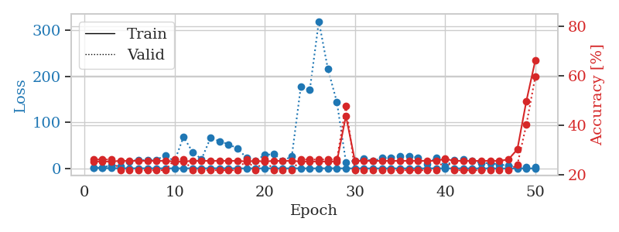
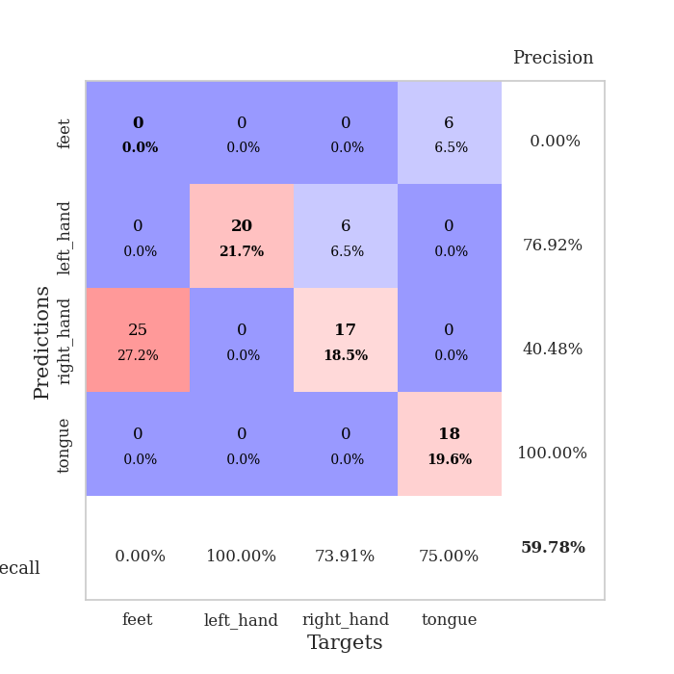
train_loss | valid_loss | train_accuracy | valid_accuracy | dur | train_misclass | valid_misclass
0.96866878219 | 1.398508357 | 0.2527173913 | 0.26086956522 | 0.087393522263 | 25.27173913 | 26.086956522
0.6363657376 | 1.7956445321 | 0.2527173913 | 0.26086956522 | 0.086561441422 | 25.27173913 | 26.086956522
0.4932010556 | 7.1566036059 | 0.2527173913 | 0.26086956522 | 0.087517261505 | 25.27173913 | 26.086956522
0.35807367771 | 3.8683623335 | 0.25543478261 | 0.21739130435 | 0.087507963181 | 25.543478261 | 21.739130435
0.30440582076 | 15.099920356 | 0.25543478261 | 0.21739130435 | 0.086848974228 | 25.543478261 | 21.739130435
0.18767235493 | 18.912158883 | 0.25543478261 | 0.21739130435 | 0.086763620377 | 25.543478261 | 21.739130435
0.26415110525 | 17.432895743 | 0.25543478261 | 0.21739130435 | 0.086902141571 | 25.543478261 | 21.739130435
0.19684192822 | 18.713450556 | 0.25543478261 | 0.21739130435 | 0.086749076843 | 25.543478261 | 21.739130435
0.23839877287 | 28.295292398 | 0.25543478261 | 0.21739130435 | 0.087119340897 | 25.543478261 | 21.739130435
0.15459751087 | 15.347619554 | 0.2527173913 | 0.26086956522 | 0.087140798569 | 25.27173913 | 26.086956522
0.18262689577 | 68.803875135 | 0.2527173913 | 0.26086956522 | 0.08705663681 | 25.27173913 | 26.086956522
0.21531069781 | 35.681220511 | 0.25543478261 | 0.21739130435 | 0.086788892746 | 25.543478261 | 21.739130435
0.16391385865 | 20.127968 | 0.25543478261 | 0.21739130435 | 0.086908817291 | 25.543478261 | 21.739130435
0.3291716655 | 66.743527951 | 0.25543478261 | 0.21739130435 | 0.08652639389 | 25.543478261 | 21.739130435
0.26795509296 | 58.987431236 | 0.25543478261 | 0.21739130435 | 0.086399078369 | 25.543478261 | 21.739130435
0.19921181804 | 52.397286622 | 0.25543478261 | 0.21739130435 | 0.086885213852 | 25.543478261 | 21.739130435
0.14189600216 | 43.24593403 | 0.25543478261 | 0.21739130435 | 0.087406158447 | 25.543478261 | 21.739130435
0.1025246466 | 22.65358701 | 0.2527173913 | 0.26086956522 | 0.086776733398 | 25.27173913 | 26.086956522
0.13997192401 | 17.017924848 | 0.25543478261 | 0.21739130435 | 0.087165594101 | 25.543478261 | 21.739130435
0.12466030643 | 29.217704192 | 0.2527173913 | 0.26086956522 | 0.086919546127 | 25.27173913 | 26.086956522
0.20964292034 | 31.253058724 | 0.25543478261 | 0.21739130435 | 0.086652040482 | 25.543478261 | 21.739130435
0.096717225955 | 17.089678474 | 0.25543478261 | 0.21739130435 | 0.086682081223 | 25.543478261 | 21.739130435
0.15427036964 | 25.823632696 | 0.25543478261 | 0.21739130435 | 0.086887836456 | 25.543478261 | 21.739130435
0.28094542153 | 177.45430789 | 0.2527173913 | 0.26086956522 | 0.086471796036 | 25.27173913 | 26.086956522
0.11373673483 | 171.07803146 | 0.2527173913 | 0.26086956522 | 0.086702346802 | 25.27173913 | 26.086956522
0.13498621817 | 320.09798664 | 0.2527173913 | 0.26086956522 | 0.086809396744 | 25.27173913 | 26.086956522
0.32801239472 | 216.45968761 | 0.2527173913 | 0.26086956522 | 0.087088823318 | 25.27173913 | 26.086956522
0.19024795488 | 144.13002412 | 0.2527173913 | 0.26086956522 | 0.086773633957 | 25.27173913 | 26.086956522
0.11678043445 | 13.741528511 | 0.4375 | 0.47826086957 | 0.086713314056 | 43.75 | 47.826086957
0.14308090646 | 16.666968138 | 0.25543478261 | 0.21739130435 | 0.086812496185 | 25.543478261 | 21.739130435
0.052590465801 | 20.907137 | 0.25543478261 | 0.21739130435 | 0.08659029007 | 25.543478261 | 21.739130435
0.060308404287 | 15.985674734 | 0.25543478261 | 0.21739130435 | 0.088634729385 | 25.543478261 | 21.739130435
0.077379600256 | 22.616609573 | 0.25543478261 | 0.21739130435 | 0.086691856384 | 25.543478261 | 21.739130435
0.070149194753 | 23.9674195 | 0.25543478261 | 0.21739130435 | 0.086526155472 | 25.543478261 | 21.739130435
0.048519668321 | 27.324840131 | 0.25543478261 | 0.21739130435 | 0.086548805237 | 25.543478261 | 21.739130435
0.066163011872 | 27.247237164 | 0.25543478261 | 0.21739130435 | 0.086555957794 | 25.543478261 | 21.739130435
0.047600635834 | 23.332844278 | 0.25543478261 | 0.21739130435 | 0.086463928223 | 25.543478261 | 21.739130435
0.070830132974 | 9.3565270382 | 0.25543478261 | 0.21739130435 | 0.08678483963 | 25.543478261 | 21.739130435
0.24189385612 | 23.910944151 | 0.25543478261 | 0.21739130435 | 0.086583137512 | 25.543478261 | 21.739130435
0.063777264106 | 5.2208883659 | 0.26358695652 | 0.26086956522 | 0.08654999733 | 26.358695652 | 26.086956522
0.10002804253 | 17.696548545 | 0.25543478261 | 0.21739130435 | 0.086642026901 | 25.543478261 | 21.739130435
0.052335269628 | 19.59650645 | 0.25543478261 | 0.21739130435 | 0.086893081665 | 25.543478261 | 21.739130435
0.045082798268 | 16.45114936 | 0.25543478261 | 0.21739130435 | 0.086450099945 | 25.543478261 | 21.739130435
0.028989564273 | 11.930109314 | 0.25543478261 | 0.21739130435 | 0.086538076401 | 25.543478261 | 21.739130435
0.03997700053 | 11.283295714 | 0.25543478261 | 0.21739130435 | 0.086442470551 | 25.543478261 | 21.739130435
0.047403609522 | 8.6719308936 | 0.25543478261 | 0.21739130435 | 0.086493730545 | 25.543478261 | 21.739130435
0.044740944078 | 5.7745947631 | 0.26086956522 | 0.21739130435 | 0.086408138275 | 26.086956522 | 21.739130435
0.036779252903 | 4.3344194578 | 0.30163043478 | 0.23913043478 | 0.086663007736 | 30.163043478 | 23.913043478
0.061695795405 | 3.0419001268 | 0.4972826087 | 0.40217391304 | 0.086527824402 | 49.72826087 | 40.217391304
0.043810816482 | 2.1401103683 | 0.66304347826 | 0.59782608696 | 0.086671113968 | 66.304347826 | 59.782608696

Best Val accuracy is 0.5978260869565217 and Best test accuracy is 0.6293103448275862

Sheet6
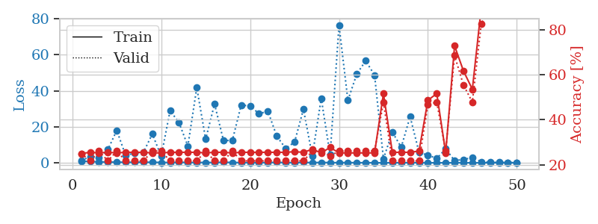
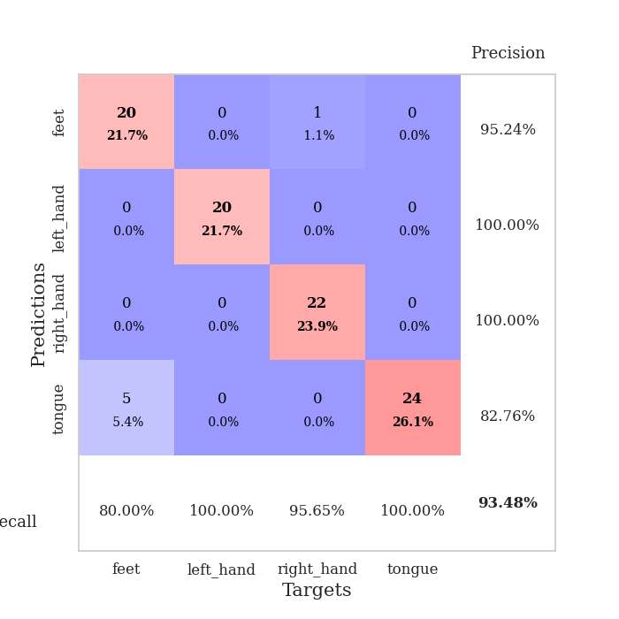
train_loss | valid_loss | train_accuracy | valid_accuracy | dur | train_misclass | valid_misclass
1.0158530137 | 1.405282741 | 0.25 | 0.25 | 0.08869934082 | 25 | 25
0.6724176368 | 3.3133779194 | 0.25543478261 | 0.21739130435 | 0.085671901703 | 25.543478261 | 21.739130435
0.58986024947 | 2.9914539482 | 0.2527173913 | 0.26086956522 | 0.085692405701 | 25.27173913 | 26.086956522
0.41883209736 | 7.3669870833 | 0.25543478261 | 0.21739130435 | 0.086425304413 | 25.543478261 | 21.739130435
0.43394811484 | 18.025681869 | 0.2527173913 | 0.26086956522 | 0.08638715744 | 25.27173913 | 26.086956522
0.30603561777 | 4.0732828431 | 0.25543478261 | 0.21739130435 | 0.086684942245 | 25.543478261 | 21.739130435
0.32665887216 | 5.480597268 | 0.25543478261 | 0.21739130435 | 0.08668255806 | 25.543478261 | 21.739130435
0.3883463099 | 5.8532598537 | 0.25543478261 | 0.21739130435 | 0.086786270142 | 25.543478261 | 21.739130435
0.3226993667 | 16.034847384 | 0.2527173913 | 0.26086956522 | 0.086590766907 | 25.27173913 | 26.086956522
0.24215824189 | 3.6210218927 | 0.2527173913 | 0.26086956522 | 0.086229562759 | 25.27173913 | 26.086956522
0.20326104023 | 29.023150983 | 0.25543478261 | 0.21739130435 | 0.086186408997 | 25.543478261 | 21.739130435
0.31923018088 | 22.298407596 | 0.25543478261 | 0.21739130435 | 0.086599588394 | 25.543478261 | 21.739130435
0.24996591704 | 9.3478890295 | 0.25543478261 | 0.21739130435 | 0.086134672165 | 25.543478261 | 21.739130435
0.20388210435 | 41.745391016 | 0.25543478261 | 0.21739130435 | 0.08637881279 | 25.543478261 | 21.739130435
0.2225453473 | 13.093739883 | 0.2527173913 | 0.26086956522 | 0.086441755295 | 25.27173913 | 26.086956522
0.18228660354 | 32.662613081 | 0.25543478261 | 0.21739130435 | 0.086645126343 | 25.543478261 | 21.739130435
0.36392196628 | 12.480586508 | 0.25543478261 | 0.21739130435 | 0.086686611176 | 25.543478261 | 21.739130435
0.20757076841 | 12.344890802 | 0.2527173913 | 0.26086956522 | 0.086637496948 | 25.27173913 | 26.086956522
0.1492368357 | 32.093354267 | 0.25543478261 | 0.21739130435 | 0.086401700974 | 25.543478261 | 21.739130435
0.16747859703 | 31.551200203 | 0.25543478261 | 0.21739130435 | 0.086606025696 | 25.543478261 | 21.739130435
0.16831279611 | 27.27655502 | 0.25543478261 | 0.21739130435 | 0.086687803268 | 25.543478261 | 21.739130435
0.1876243391 | 28.585419696 | 0.25543478261 | 0.21739130435 | 0.086660385132 | 25.543478261 | 21.739130435
0.2576681561 | 14.839539528 | 0.25543478261 | 0.21739130435 | 0.086669683456 | 25.543478261 | 21.739130435
0.16941668526 | 8.0172366889 | 0.25543478261 | 0.21739130435 | 0.086536884308 | 25.543478261 | 21.739130435
0.12864761168 | 11.497926588 | 0.25815217391 | 0.21739130435 | 0.086591959 | 25.815217391 | 21.739130435
0.25673246424 | 29.755781671 | 0.25543478261 | 0.21739130435 | 0.0865483284 | 25.543478261 | 21.739130435
0.123485173 | 3.7228678724 | 0.26902173913 | 0.26086956522 | 0.086555480957 | 26.902173913 | 26.086956522
0.2240169842 | 35.822239586 | 0.2527173913 | 0.26086956522 | 0.086782693863 | 25.27173913 | 26.086956522
0.14064450617 | 4.4326692042 | 0.27717391304 | 0.23913043478 | 0.087005615234 | 27.717391304 | 23.913043478
0.1124078026 | 76.319777447 | 0.2527173913 | 0.26086956522 | 0.086560726166 | 25.27173913 | 26.086956522
0.16283117065 | 34.677184893 | 0.2527173913 | 0.26086956522 | 0.086713552475 | 25.27173913 | 26.086956522
0.068318313696 | 49.276004957 | 0.2527173913 | 0.26086956522 | 0.086487054825 | 25.27173913 | 26.086956522
0.10294604326 | 56.602118617 | 0.2527173913 | 0.26086956522 | 0.086606264114 | 25.27173913 | 26.086956522
0.050112100338 | 48.685028905 | 0.2527173913 | 0.26086956522 | 0.086520671844 | 25.27173913 | 26.086956522
0.03236027975 | 2.2611794057 | 0.51630434783 | 0.47826086957 | 0.086565732956 | 51.630434783 | 47.826086957
0.064761865798 | 17.057371222 | 0.25543478261 | 0.21739130435 | 0.092434883118 | 25.543478261 | 21.739130435
0.09418779485 | 8.6692280562 | 0.25543478261 | 0.21739130435 | 0.090258359909 | 25.543478261 | 21.739130435
0.097231222185 | 25.662926798 | 0.25543478261 | 0.21739130435 | 0.08681344986 | 25.543478261 | 21.739130435
0.12859742244 | 5.8605020772 | 0.26086956522 | 0.21739130435 | 0.086637020111 | 26.086956522 | 21.739130435
0.04347877913 | 4.2380850108 | 0.48641304348 | 0.46739130435 | 0.086522340775 | 48.641304348 | 46.739130435
0.050858167162 | 2.4911531262 | 0.51630434783 | 0.47826086957 | 0.088944911957 | 51.630434783 | 47.826086957
0.05500427178 | 7.7738548569 | 0.2527173913 | 0.26086956522 | 0.087003231049 | 25.27173913 | 26.086956522
0.032248834705 | 1.2371350656 | 0.72826086957 | 0.6847826087 | 0.086147069931 | 72.826086957 | 68.47826087
0.070040452152 | 1.9032169943 | 0.61684782609 | 0.55434782609 | 0.086597681046 | 61.684782609 | 55.434782609
0.028150155452 | 2.873873918 | 0.53532608696 | 0.47826086957 | 0.086399078369 | 53.532608696 | 47.826086957
0.028525196735 | 0.62948700786 | 0.89673913043 | 0.82608695652 | 0.08638548851 | 89.673913043 | 82.608695652
0.040818975317 | 0.31368761283 | 0.97554347826 | 0.89130434783 | 0.086621761322 | 97.554347826 | 89.130434783
0.045190535491 | 0.26639515518 | 0.98641304348 | 0.92391304348 | 0.086631059647 | 98.641304348 | 92.391304348
0.043320954372 | 0.21975622877 | 1 | 0.9347826087 | 0.086507797241 | 100 | 93.47826087
0.057949638885 | 0.17404494726 | 1 | 0.9347826087 | 0.086478710175 | 100 | 93.47826087

Best Val accuracy is 0.9347826086956522 and Best test accuracy is 0.896551724137931

Sheet7
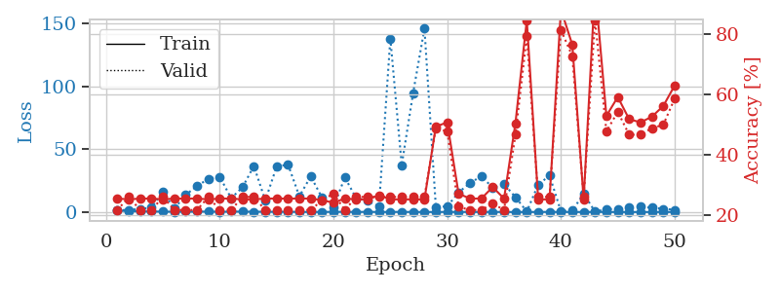
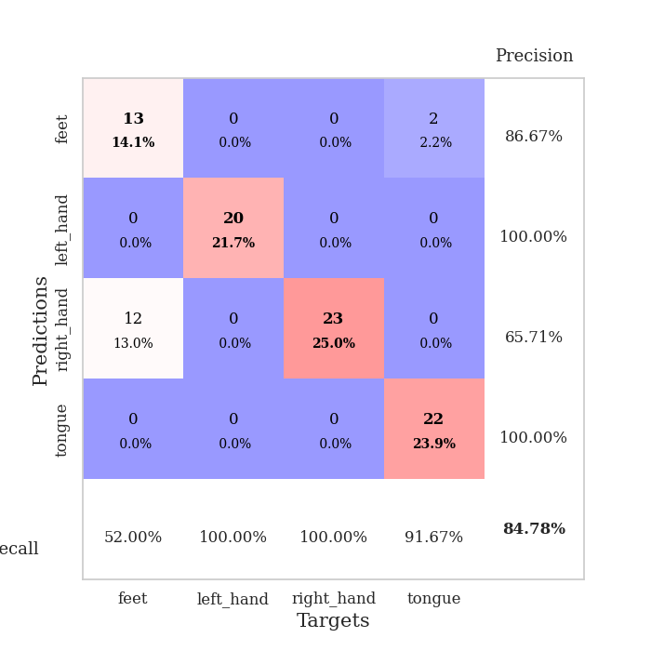
train_loss | valid_loss | train_accuracy | valid_accuracy | dur | train_misclass | valid_misclass
1.2058358322 | 1.4256985706 | 0.25543478261 | 0.21739130435 | 0.087871551514 | 25.543478261 | 21.739130435
0.73679480086 | 1.7506151148 | 0.2527173913 | 0.26086956522 | 0.085436820984 | 25.27173913 | 26.086956522
0.54130012186 | 2.4609660377 | 0.25543478261 | 0.21739130435 | 0.085674524307 | 25.543478261 | 21.739130435
0.43408407789 | 3.6211242261 | 0.25543478261 | 0.21739130435 | 0.085726976395 | 25.543478261 | 21.739130435
0.37318733788 | 16.406757189 | 0.2527173913 | 0.26086956522 | 0.086214780807 | 25.27173913 | 26.086956522
0.24276516781 | 2.6460762335 | 0.25543478261 | 0.21739130435 | 0.086566209793 | 25.543478261 | 21.739130435
0.32869797945 | 13.745668453 | 0.25543478261 | 0.21739130435 | 0.086180925369 | 25.543478261 | 21.739130435
0.30824644102 | 20.662011934 | 0.25543478261 | 0.21739130435 | 0.086985111237 | 25.543478261 | 21.739130435
0.40751239755 | 26.560970058 | 0.2527173913 | 0.26086956522 | 0.086482524872 | 25.27173913 | 26.086956522
0.2418588983 | 28.139174752 | 0.25543478261 | 0.21739130435 | 0.086290121078 | 25.543478261 | 21.739130435
0.33927724786 | 11.010041942 | 0.25543478261 | 0.21739130435 | 0.086167812347 | 25.543478261 | 21.739130435
0.3762972384 | 19.764603822 | 0.2527173913 | 0.26086956522 | 0.086097240448 | 25.27173913 | 26.086956522
0.24110737265 | 36.730116969 | 0.2527173913 | 0.26086956522 | 0.086080551147 | 25.27173913 | 26.086956522
0.27674175467 | 9.2087486931 | 0.25543478261 | 0.21739130435 | 0.08847784996 | 25.543478261 | 21.739130435
0.18577231256 | 36.187068276 | 0.25543478261 | 0.21739130435 | 0.086386442184 | 25.543478261 | 21.739130435
0.23805376098 | 37.93178094 | 0.25543478261 | 0.21739130435 | 0.086285114288 | 25.543478261 | 21.739130435
0.10324749634 | 12.554720215 | 0.25543478261 | 0.21739130435 | 0.086238384247 | 25.543478261 | 21.739130435
0.11156550402 | 28.46682449 | 0.25543478261 | 0.21739130435 | 0.08624458313 | 25.543478261 | 21.739130435
0.092350580082 | 11.369036633 | 0.25 | 0.25 | 0.086257457733 | 25 | 25
0.19786260609 | 3.9578934856 | 0.24184782609 | 0.27173913043 | 0.087632894516 | 24.184782609 | 27.173913043
0.14971436989 | 27.619883745 | 0.25543478261 | 0.21739130435 | 0.086301088333 | 25.543478261 | 21.739130435
0.10410886153 | 10.922473037 | 0.2527173913 | 0.26086956522 | 0.086275100708 | 25.27173913 | 26.086956522
0.16321104635 | 8.8884583763 | 0.2527173913 | 0.26086956522 | 0.086202859879 | 25.27173913 | 26.086956522
0.082468471308 | 4.5409859056 | 0.26630434783 | 0.26086956522 | 0.086676359177 | 26.630434783 | 26.086956522
0.10980892801 | 138.30828393 | 0.2527173913 | 0.26086956522 | 0.08661365509 | 25.27173913 | 26.086956522
0.13103617762 | 37.360263327 | 0.2527173913 | 0.26086956522 | 0.086499214172 | 25.27173913 | 26.086956522
0.072840976448 | 94.794752038 | 0.2527173913 | 0.26086956522 | 0.086577177048 | 25.27173913 | 26.086956522
0.058786814567 | 146.21635105 | 0.2527173913 | 0.26086956522 | 0.086645126343 | 25.27173913 | 26.086956522
0.072144963829 | 4.079804151 | 0.49456521739 | 0.48913043478 | 0.086515426636 | 49.456521739 | 48.913043478
0.13924881212 | 4.4792699088 | 0.50815217391 | 0.47826086957 | 0.08678984642 | 50.815217391 | 47.826086957
0.096722984039 | 15.6989698 | 0.27173913043 | 0.22826086957 | 0.087090969086 | 27.173913043 | 22.826086957
0.084530471723 | 23.053917678 | 0.25543478261 | 0.21739130435 | 0.08757519722 | 25.543478261 | 21.739130435
0.073938090314 | 28.617494666 | 0.25543478261 | 0.21739130435 | 0.087084770203 | 25.543478261 | 21.739130435
0.11258141154 | 19.41408713 | 0.29347826087 | 0.23913043478 | 0.086748600006 | 29.347826087 | 23.913043478
0.061891388452 | 22.307669515 | 0.25543478261 | 0.21739130435 | 0.086832046509 | 25.543478261 | 21.739130435
0.033215016633 | 11.911574032 | 0.50543478261 | 0.46739130435 | 0.086472511292 | 50.543478261 | 46.739130435
0.073487742399 | 0.43715996846 | 0.84782608696 | 0.79347826087 | 0.086584091187 | 84.782608696 | 79.347826087
0.072197825962 | 21.784710511 | 0.2527173913 | 0.26086956522 | 0.08661699295 | 25.27173913 | 26.086956522
0.13770647012 | 29.106566719 | 0.2527173913 | 0.26086956522 | 0.086684942245 | 25.27173913 | 26.086956522
0.066477420072 | 0.68105410623 | 0.88315217391 | 0.8152173913 | 0.086739301682 | 88.315217391 | 81.52173913
0.054160116251 | 1.2352354786 | 0.76630434783 | 0.72826086957 | 0.086716413498 | 76.630434783 | 72.826086957
0.061990768962 | 14.560104826 | 0.2527173913 | 0.26086956522 | 0.086469888687 | 25.27173913 | 26.086956522
0.081708029226 | 0.32772611859 | 0.95923913043 | 0.84782608696 | 0.08654665947 | 95.923913043 | 84.782608696
0.081938734268 | 2.3886465612 | 0.52989130435 | 0.47826086957 | 0.086786746979 | 52.989130435 | 47.826086957
0.041378274378 | 2.2926130969 | 0.59239130435 | 0.54347826087 | 0.086772203445 | 59.239130435 | 54.347826087
0.066277396531 | 3.6616798795 | 0.51902173913 | 0.46739130435 | 0.086780548096 | 51.902173913 | 46.739130435
0.049850693995 | 4.2302723449 | 0.50815217391 | 0.46739130435 | 0.086647748947 | 50.815217391 | 46.739130435
0.06116042605 | 3.4425379608 | 0.52717391304 | 0.48913043478 | 0.086770534515 | 52.717391304 | 48.913043478
0.057451528527 | 2.5905879891 | 0.5625 | 0.5 | 0.086598157883 | 56.25 | 50
0.055787280546 | 1.8264308235 | 0.63043478261 | 0.58695652174 | 0.086847066879 | 63.043478261 | 58.695652174

Best Val accuracy is 0.8478260869565217 and Best test accuracy is 0.8362068965517241

Sheet8
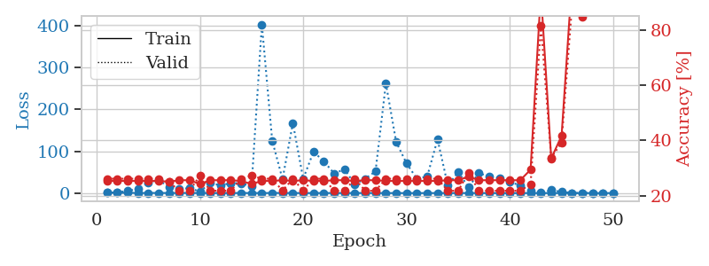
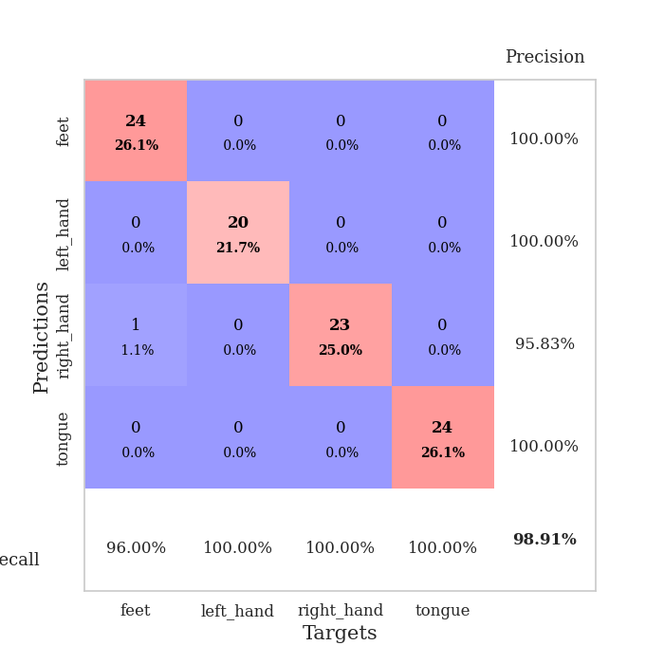
train_loss | valid_loss | train_accuracy | valid_accuracy | dur | train_misclass | valid_misclass
1.2381522034 | 1.4198283942 | 0.2527173913 | 0.26086956522 | 0.086875677109 | 25.27173913 | 26.086956522
0.8198506858 | 1.6043381743 | 0.2527173913 | 0.26086956522 | 0.085899114609 | 25.27173913 | 26.086956522
0.58591624187 | 5.2516730972 | 0.2527173913 | 0.26086956522 | 0.08575797081 | 25.27173913 | 26.086956522
0.36835900921 | 9.499716427 | 0.2527173913 | 0.26086956522 | 0.086184978485 | 25.27173913 | 26.086956522
0.28868530108 | 25.464516101 | 0.2527173913 | 0.26086956522 | 0.086136341095 | 25.27173913 | 26.086956522
0.34404763725 | 30.834502262 | 0.2527173913 | 0.26086956522 | 0.086366176605 | 25.27173913 | 26.086956522
0.18579369621 | 14.886596141 | 0.25 | 0.25 | 0.088587284088 | 25 | 25
0.36503205659 | 9.4515726255 | 0.25543478261 | 0.21739130435 | 0.086745738983 | 25.543478261 | 21.739130435
0.27461124357 | 11.782919967 | 0.25543478261 | 0.21739130435 | 0.086397409439 | 25.543478261 | 21.739130435
0.19955707617 | 3.6445083929 | 0.24184782609 | 0.27173913043 | 0.086412668228 | 24.184782609 | 27.173913043
0.14535370615 | 23.877169816 | 0.25543478261 | 0.21739130435 | 0.086181402206 | 25.543478261 | 21.739130435
0.14187073157 | 18.454664562 | 0.25543478261 | 0.21739130435 | 0.08598780632 | 25.543478261 | 21.739130435
0.1674521333 | 23.787947945 | 0.25543478261 | 0.21739130435 | 0.086032867432 | 25.543478261 | 21.739130435
0.17117908718 | 23.819943718 | 0.2527173913 | 0.26086956522 | 0.085780382156 | 25.27173913 | 26.086956522
0.1780973208 | 15.959683294 | 0.24184782609 | 0.27173913043 | 0.085756778717 | 24.184782609 | 27.173913043
0.14429360831 | 402.91661005 | 0.2527173913 | 0.26086956522 | 0.08614397049 | 25.27173913 | 26.086956522
0.2277316543 | 125.31283802 | 0.2527173913 | 0.26086956522 | 0.086042404175 | 25.27173913 | 26.086956522
0.30936284878 | 33.147141996 | 0.25543478261 | 0.21739130435 | 0.086215019226 | 25.543478261 | 21.739130435
0.13831628535 | 167.33641318 | 0.2527173913 | 0.26086956522 | 0.085877418518 | 25.27173913 | 26.086956522
0.094800960758 | 34.085361149 | 0.25543478261 | 0.21739130435 | 0.08597779274 | 25.543478261 | 21.739130435
0.092903117771 | 98.87851317 | 0.2527173913 | 0.26086956522 | 0.086049556732 | 25.27173913 | 26.086956522
0.076500244297 | 75.618181312 | 0.2527173913 | 0.26086956522 | 0.086120843887 | 25.27173913 | 26.086956522
0.10896355914 | 46.862176646 | 0.25543478261 | 0.21739130435 | 0.08601474762 | 25.543478261 | 21.739130435
0.091510411494 | 56.820025071 | 0.25543478261 | 0.21739130435 | 0.086175680161 | 25.543478261 | 21.739130435
0.10581825127 | 20.598294217 | 0.2527173913 | 0.26086956522 | 0.086069583893 | 25.27173913 | 26.086956522
0.15991470092 | 34.339907273 | 0.25543478261 | 0.21739130435 | 0.086198806763 | 25.543478261 | 21.739130435
0.13012390458 | 51.887652853 | 0.25543478261 | 0.21739130435 | 0.08606171608 | 25.543478261 | 21.739130435
0.095917401147 | 261.70080367 | 0.2527173913 | 0.26086956522 | 0.085881233215 | 25.27173913 | 26.086956522
0.054789409446 | 121.90723419 | 0.2527173913 | 0.26086956522 | 0.085958480835 | 25.27173913 | 26.086956522
0.054887815804 | 70.953123341 | 0.2527173913 | 0.26086956522 | 0.086384057999 | 25.27173913 | 26.086956522
0.030243808576 | 34.293093972 | 0.2527173913 | 0.26086956522 | 0.086180925369 | 25.27173913 | 26.086956522
0.066653633389 | 39.739774289 | 0.2527173913 | 0.26086956522 | 0.086084604263 | 25.27173913 | 26.086956522
0.078299791744 | 128.21700619 | 0.2527173913 | 0.26086956522 | 0.086026668549 | 25.27173913 | 26.086956522
0.075780405541 | 17.881291348 | 0.25543478261 | 0.21739130435 | 0.086204528809 | 25.543478261 | 21.739130435
0.054774794748 | 50.261756565 | 0.25543478261 | 0.21739130435 | 0.086153507233 | 25.543478261 | 21.739130435
0.12735606968 | 14.06670417 | 0.26902173913 | 0.28260869565 | 0.086168289185 | 26.902173913 | 28.260869565
0.07286541172 | 47.939513663 | 0.25543478261 | 0.21739130435 | 0.086145401001 | 25.543478261 | 21.739130435
0.038002619115 | 39.04799254 | 0.25543478261 | 0.21739130435 | 0.086089372635 | 25.543478261 | 21.739130435
0.041235136121 | 35.96789103 | 0.25543478261 | 0.21739130435 | 0.085951566696 | 25.543478261 | 21.739130435
0.024007558428 | 26.704622683 | 0.25543478261 | 0.21739130435 | 0.086059570312 | 25.543478261 | 21.739130435
0.035553305835 | 18.167788215 | 0.25543478261 | 0.21739130435 | 0.086081504822 | 25.543478261 | 21.739130435
0.03608009905 | 5.7967255012 | 0.29347826087 | 0.23913043478 | 0.086179256439 | 29.347826087 | 23.913043478
0.064819890014 | 0.54078505091 | 0.9375 | 0.8152173913 | 0.086269140244 | 93.75 | 81.52173913
0.031035601789 | 6.8908607441 | 0.33423913043 | 0.33695652174 | 0.086203098297 | 33.423913043 | 33.695652174
0.045732986071 | 2.8634670921 | 0.41576086957 | 0.39130434783 | 0.086149930954 | 41.576086957 | 39.130434783
0.069938681746 | 0.27811708528 | 0.97282608696 | 0.88043478261 | 0.085988283157 | 97.282608696 | 88.043478261
0.096406980954 | 0.32811485296 | 0.96195652174 | 0.84782608696 | 0.086252212524 | 96.195652174 | 84.782608696
0.049903403487 | 0.19326681806 | 0.98641304348 | 0.89130434783 | 0.086126565933 | 98.641304348 | 89.130434783
0.053521047356 | 0.10550563459 | 0.99184782609 | 0.95652173913 | 0.086438655853 | 99.184782609 | 95.652173913
0.063676148106 | 0.075439340394 | 0.9972826087 | 0.98913043478 | 0.086084604263 | 99.72826087 | 98.913043478

Best Val accuracy is 0.9891304347826086 and Best test accuracy is 0.9396551724137931

Sheet9
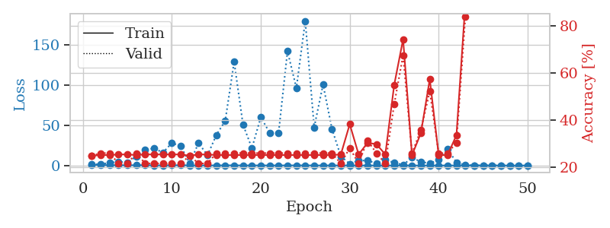
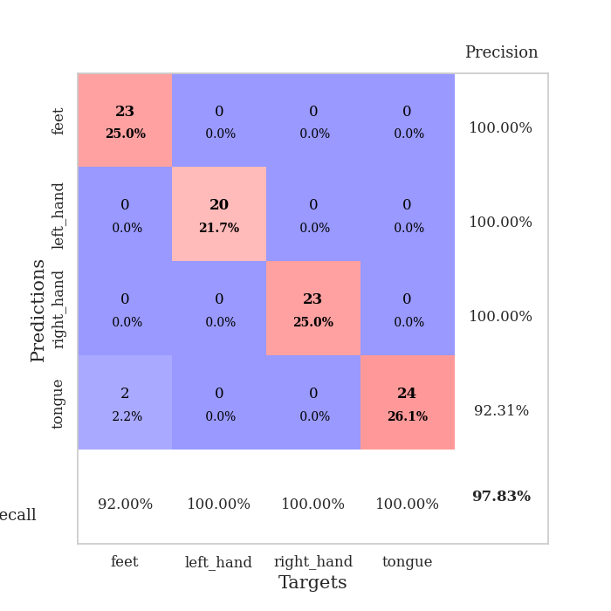
train_loss | valid_loss | train_accuracy | valid_accuracy | dur | train_misclass | valid_misclass
1.149155793 | 1.3996697975 | 0.25 | 0.25 | 0.086977243423 | 25 | 25
0.58553365521 | 1.6380265744 | 0.2527173913 | 0.26086956522 | 0.085785627365 | 25.27173913 | 26.086956522
0.51676421127 | 3.3923707216 | 0.2527173913 | 0.26086956522 | 0.086166381836 | 25.27173913 | 26.086956522
0.36220991417 | 4.7207512026 | 0.25543478261 | 0.21739130435 | 0.086291790009 | 25.543478261 | 21.739130435
0.31077152264 | 3.6916929328 | 0.25543478261 | 0.21739130435 | 0.086129903793 | 25.543478261 | 21.739130435
0.43222660669 | 11.423369034 | 0.2527173913 | 0.26086956522 | 0.085814476013 | 25.27173913 | 26.086956522
0.48013710749 | 19.581086117 | 0.25543478261 | 0.21739130435 | 0.085899353027 | 25.543478261 | 21.739130435
0.24782289046 | 21.323127747 | 0.25543478261 | 0.21739130435 | 0.086184024811 | 25.543478261 | 21.739130435
0.19784135177 | 16.018585537 | 0.25543478261 | 0.21739130435 | 0.085978507996 | 25.543478261 | 21.739130435
0.32974156915 | 28.118951134 | 0.25543478261 | 0.21739130435 | 0.085862874985 | 25.543478261 | 21.739130435
0.3406776087 | 24.014090579 | 0.25543478261 | 0.21739130435 | 0.085959434509 | 25.543478261 | 21.739130435
0.23123447872 | 2.6639082535 | 0.25 | 0.25 | 0.086103916168 | 25 | 25
0.16990650251 | 28.095309133 | 0.25543478261 | 0.21739130435 | 0.086119413376 | 25.543478261 | 21.739130435
0.19526688042 | 12.716652373 | 0.25543478261 | 0.21739130435 | 0.085813045502 | 25.543478261 | 21.739130435
0.13903513591 | 37.921222687 | 0.2527173913 | 0.26086956522 | 0.086263418198 | 25.27173913 | 26.086956522
0.22707752236 | 55.573106351 | 0.2527173913 | 0.26086956522 | 0.086233854294 | 25.27173913 | 26.086956522
0.22479898256 | 128.85283628 | 0.2527173913 | 0.26086956522 | 0.086008548737 | 25.27173913 | 26.086956522
0.12841157056 | 50.825355861 | 0.2527173913 | 0.26086956522 | 0.086548566818 | 25.27173913 | 26.086956522
0.11562763729 | 21.612217945 | 0.2527173913 | 0.26086956522 | 0.086159944534 | 25.27173913 | 26.086956522
0.12391682516 | 60.114260964 | 0.2527173913 | 0.26086956522 | 0.089179039001 | 25.27173913 | 26.086956522
0.12238524897 | 40.603426892 | 0.2527173913 | 0.26086956522 | 0.086609125137 | 25.27173913 | 26.086956522
0.11575066808 | 40.589119787 | 0.2527173913 | 0.26086956522 | 0.086435079575 | 25.27173913 | 26.086956522
0.15146794838 | 142.16348996 | 0.2527173913 | 0.26086956522 | 0.086584568024 | 25.27173913 | 26.086956522
0.18212914637 | 96.352647864 | 0.2527173913 | 0.26086956522 | 0.086372613907 | 25.27173913 | 26.086956522
0.16655446287 | 179.81814443 | 0.2527173913 | 0.26086956522 | 0.086246013641 | 25.27173913 | 26.086956522
0.097435148595 | 47.4528316 | 0.2527173913 | 0.26086956522 | 0.08634018898 | 25.27173913 | 26.086956522
0.11956587013 | 100.70828214 | 0.2527173913 | 0.26086956522 | 0.086260557175 | 25.27173913 | 26.086956522
0.09804053966 | 45.518378714 | 0.2527173913 | 0.26086956522 | 0.086125612259 | 25.27173913 | 26.086956522
0.079476086382 | 11.455888707 | 0.25543478261 | 0.21739130435 | 0.0861723423 | 25.543478261 | 21.739130435
0.090620225316 | 2.0770940055 | 0.38315217391 | 0.28260869565 | 0.08641242981 | 38.315217391 | 28.260869565
0.094396797191 | 5.9924069073 | 0.25543478261 | 0.21739130435 | 0.086695671082 | 25.543478261 | 21.739130435
0.087874622995 | 6.3113710984 | 0.30434782609 | 0.3152173913 | 0.086447477341 | 30.434782609 | 31.52173913
0.056394255224 | 2.4699558486 | 0.29891304348 | 0.26086956522 | 0.086776733398 | 29.891304348 | 26.086956522
0.046489370116 | 7.0385638527 | 0.25543478261 | 0.21739130435 | 0.08637881279 | 25.543478261 | 21.739130435
0.074193834995 | 3.5763500359 | 0.54891304348 | 0.46739130435 | 0.086270809174 | 54.891304348 | 46.739130435
0.05483475202 | 0.74068417497 | 0.74184782609 | 0.67391304348 | 0.086544036865 | 74.184782609 | 67.391304348
0.051367150964 | 9.8366265504 | 0.2527173913 | 0.26086956522 | 0.086882352829 | 25.27173913 | 26.086956522
0.043455221245 | 4.5969445602 | 0.34510869565 | 0.35869565217 | 0.086244344711 | 34.510869565 | 35.869565217
0.029929342659 | 2.6471915452 | 0.57336956522 | 0.52173913043 | 0.086370944977 | 57.336956522 | 52.173913043
0.044842500731 | 7.0531404537 | 0.2527173913 | 0.26086956522 | 0.086492538452 | 25.27173913 | 26.086956522
0.053373256395 | 20.602952957 | 0.2527173913 | 0.26086956522 | 0.086094141006 | 25.27173913 | 26.086956522
0.071768657507 | 3.8450365378 | 0.33695652174 | 0.30434782609 | 0.086333990097 | 33.695652174 | 30.434782609
0.084816771306 | 0.59394995803 | 0.89402173913 | 0.83695652174 | 0.086241006851 | 89.402173913 | 83.695652174
0.031782153508 | 0.2269935829 | 0.99456521739 | 0.92391304348 | 0.086812973022 | 99.456521739 | 92.391304348
0.051577710435 | 0.23005295448 | 0.99456521739 | 0.92391304348 | 0.086811065674 | 99.456521739 | 92.391304348
0.025058258077 | 0.18524992758 | 1 | 0.9347826087 | 0.086846828461 | 100 | 93.47826087
0.039460944032 | 0.12156752084 | 0.9972826087 | 0.94565217391 | 0.086604833603 | 99.72826087 | 94.565217391
0.058815084165 | 0.095812173236 | 1 | 0.95652173913 | 0.086826086044 | 100 | 95.652173913
0.034525655878 | 0.084840581226 | 1 | 0.97826086957 | 0.086661815643 | 100 | 97.826086957
0.04768434422 | 0.079309440663 | 1 | 0.97826086957 | 0.086300849915 | 100 | 97.826086957

Best Val accuracy is 0.9782608695652174 and Best test accuracy is 0.9310344827586207

Sheet10
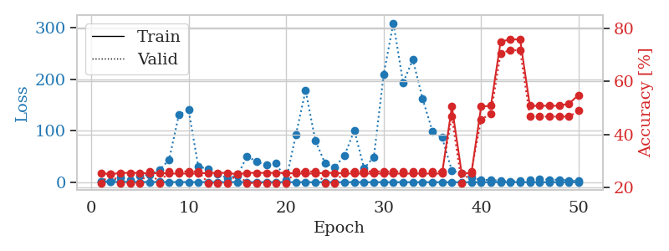
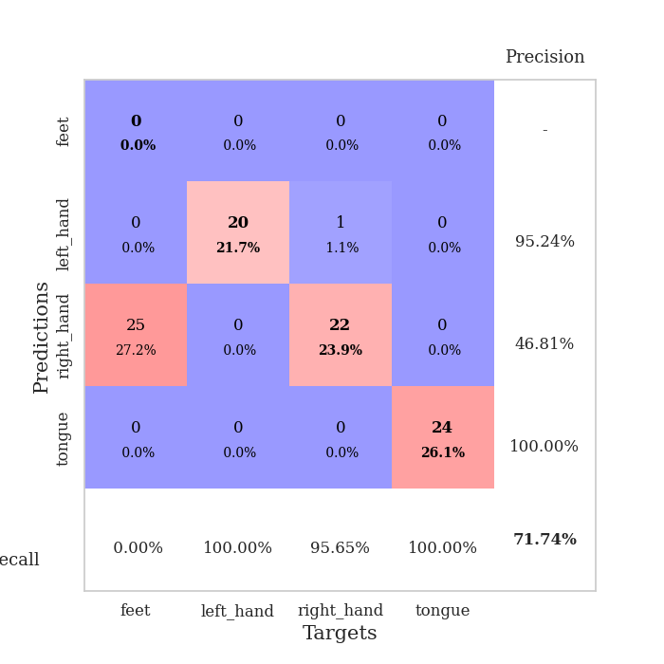
train_loss | valid_loss | train_accuracy | valid_accuracy | dur | train_misclass | valid_misclass
1.1654953438 | 1.8414919273 | 0.25543478261 | 0.21739130435 | 0.08794593811 | 25.543478261 | 21.739130435
0.73839249818 | 1.4948726167 | 0.25 | 0.25 | 0.086193323135 | 25 | 25
0.51441362111 | 9.0442904597 | 0.25543478261 | 0.21739130435 | 0.086341381073 | 25.543478261 | 21.739130435
0.45963710935 | 4.5413853397 | 0.25543478261 | 0.21739130435 | 0.086656570435 | 25.543478261 | 21.739130435
0.41544846283 | 12.114874798 | 0.25543478261 | 0.21739130435 | 0.086586475372 | 25.543478261 | 21.739130435
0.36246797345 | 14.605126961 | 0.2527173913 | 0.26086956522 | 0.08681511879 | 25.27173913 | 26.086956522
0.50898613295 | 23.742170997 | 0.25543478261 | 0.21739130435 | 0.086882829666 | 25.543478261 | 21.739130435
0.29586021246 | 43.226400458 | 0.2527173913 | 0.26086956522 | 0.086614131927 | 25.27173913 | 26.086956522
0.30988167874 | 130.93054431 | 0.2527173913 | 0.26086956522 | 0.086340904236 | 25.27173913 | 26.086956522
0.24512265995 | 140.34276747 | 0.2527173913 | 0.26086956522 | 0.086559295654 | 25.27173913 | 26.086956522
0.30978072273 | 30.068989878 | 0.2527173913 | 0.26086956522 | 0.086852550507 | 25.27173913 | 26.086956522
0.2730754413 | 26.118067202 | 0.25543478261 | 0.21739130435 | 0.086349964142 | 25.543478261 | 21.739130435
0.1675861575 | 15.107511894 | 0.25543478261 | 0.21739130435 | 0.089657068253 | 25.543478261 | 21.739130435
0.2284511199 | 8.5411901474 | 0.25543478261 | 0.21739130435 | 0.086502552032 | 25.543478261 | 21.739130435
0.31941555797 | 12.491454124 | 0.25 | 0.25 | 0.086369514465 | 25 | 25
0.22380088456 | 50.773028664 | 0.25543478261 | 0.21739130435 | 0.086594104767 | 25.543478261 | 21.739130435
0.11832896183 | 39.457625845 | 0.25543478261 | 0.21739130435 | 0.08639383316 | 25.543478261 | 21.739130435
0.15782502456 | 33.198852539 | 0.25543478261 | 0.21739130435 | 0.086196899414 | 25.543478261 | 21.739130435
0.12801421231 | 36.334100972 | 0.25543478261 | 0.21739130435 | 0.086640119553 | 25.543478261 | 21.739130435
0.056515867498 | 4.0044980671 | 0.25543478261 | 0.21739130435 | 0.086676597595 | 25.543478261 | 21.739130435
0.15683881681 | 91.707326806 | 0.2527173913 | 0.26086956522 | 0.085937261581 | 25.27173913 | 26.086956522
0.12644403873 | 178.46969472 | 0.2527173913 | 0.26086956522 | 0.086088418961 | 25.27173913 | 26.086956522
0.095905804521 | 80.968763932 | 0.2527173913 | 0.26086956522 | 0.0858066082 | 25.27173913 | 26.086956522
0.071053028795 | 36.581276106 | 0.25543478261 | 0.21739130435 | 0.085771560669 | 25.543478261 | 21.739130435
0.097050709043 | 28.751856182 | 0.25543478261 | 0.21739130435 | 0.085712432861 | 25.543478261 | 21.739130435
0.086948519856 | 52.444535794 | 0.2527173913 | 0.26086956522 | 0.085541725159 | 25.27173913 | 26.086956522
0.12582737623 | 100.84487948 | 0.2527173913 | 0.26086956522 | 0.085597276688 | 25.27173913 | 26.086956522
0.094379448777 | 26.817483902 | 0.2527173913 | 0.26086956522 | 0.089844703674 | 25.27173913 | 26.086956522
0.054582793245 | 49.119493733 | 0.2527173913 | 0.26086956522 | 0.087010860443 | 25.27173913 | 26.086956522
0.12638529735 | 208.725915 | 0.2527173913 | 0.26086956522 | 0.086459159851 | 25.27173913 | 26.086956522
0.11050999966 | 309.40607751 | 0.2527173913 | 0.26086956522 | 0.087707042694 | 25.27173913 | 26.086956522
0.068143779716 | 193.28345523 | 0.2527173913 | 0.26086956522 | 0.086693763733 | 25.27173913 | 26.086956522
0.077191499001 | 238.23722574 | 0.2527173913 | 0.26086956522 | 0.0863032341 | 25.27173913 | 26.086956522
0.080976538401 | 162.22541411 | 0.2527173913 | 0.26086956522 | 0.086611747742 | 25.27173913 | 26.086956522
0.089554301908 | 99.368089427 | 0.2527173913 | 0.26086956522 | 0.086163282394 | 25.27173913 | 26.086956522
0.069704130069 | 86.692963973 | 0.2527173913 | 0.26086956522 | 0.086164712906 | 25.27173913 | 26.086956522
0.079970391508 | 22.318612804 | 0.50543478261 | 0.46739130435 | 0.086251497269 | 50.543478261 | 46.739130435
0.078954309023 | 17.235205443 | 0.25543478261 | 0.21739130435 | 0.08657002449 | 25.543478261 | 21.739130435
0.058896974498 | 9.0606579573 | 0.2527173913 | 0.26086956522 | 0.086403608322 | 25.27173913 | 26.086956522
0.082401481083 | 4.0667921564 | 0.50543478261 | 0.45652173913 | 0.086649417877 | 50.543478261 | 45.652173913
0.049033591159 | 4.7544255982 | 0.50815217391 | 0.47826086957 | 0.086276292801 | 50.815217391 | 47.826086957
0.055199391583 | 2.6143373251 | 0.75 | 0.70652173913 | 0.08676815033 | 75 | 70.652173913
0.13513917235 | 1.8418661149 | 0.75815217391 | 0.71739130435 | 0.086802244186 | 75.815217391 | 71.739130435
0.029486628189 | 2.3999677326 | 0.75815217391 | 0.71739130435 | 0.086881399155 | 75.815217391 | 71.739130435
0.054983186394 | 5.2307763618 | 0.50815217391 | 0.46739130435 | 0.08638381958 | 50.815217391 | 46.739130435
0.032403500933 | 6.4515599997 | 0.50815217391 | 0.46739130435 | 0.086706399918 | 50.815217391 | 46.739130435
0.036846695306 | 4.7395096033 | 0.50815217391 | 0.46739130435 | 0.086201190948 | 50.815217391 | 46.739130435
0.098975807246 | 5.0357383852 | 0.50815217391 | 0.46739130435 | 0.086305141449 | 50.815217391 | 46.739130435
0.078600527633 | 3.6565320492 | 0.51630434783 | 0.46739130435 | 0.086296319962 | 51.630434783 | 46.739130435
0.042304645961 | 2.5140228479 | 0.54891304348 | 0.48913043478 | 0.086662769318 | 54.891304348 | 48.913043478

Best Val accuracy is 0.717391304347826 and Best test accuracy is 0.7413793103448276

