Sheet
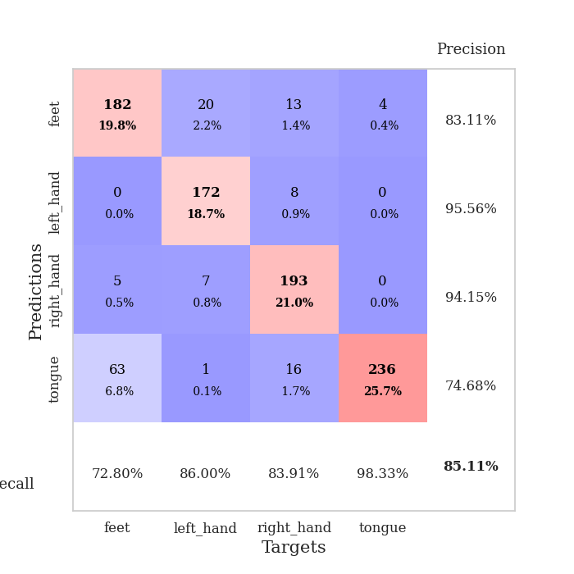
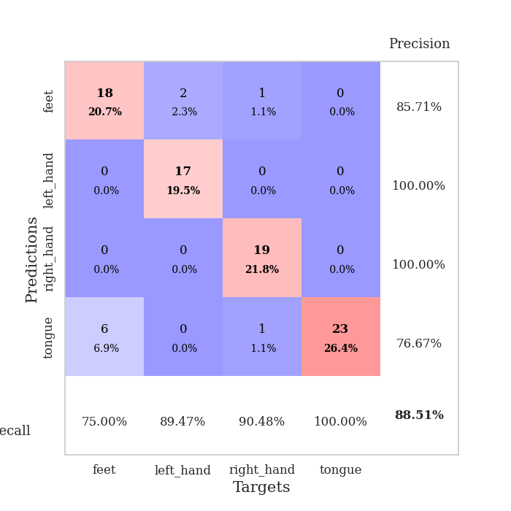
best_val_acc | best_val_los | best_test_acc
0.75 | 0.80894067754 | 0.81034482759
0.95652173913 | 0.11542042653 | 0.93965517241
0.97826086957 | 0.10684199238 | 0.96551724138
0.97826086957 | 0.081788480727 | 0.95689655172
0.91304347826 | 0.23068789344 | 0.89655172414
0.79347826087 | 0.87659640416 | 0.81896551724
0.32608695652 | 1.4330148956 | 0.31896551724
0.95652173913 | 0.1069233791 | 0.95689655172
0.90217391304 | 0.20550570605 | 0.89655172414
0.95652173913 | 0.13392382033 | 0.95689655172

Mean,std Val accuracy is 0.8510869565217393 , 0.20036264643420032 and mean, std test accuracy is 0.8517241379310345 , 0.19564724336596806

Sheet1
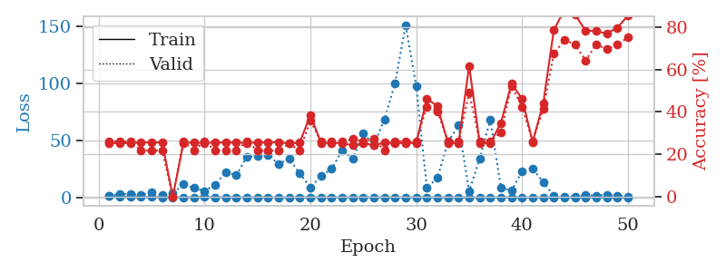
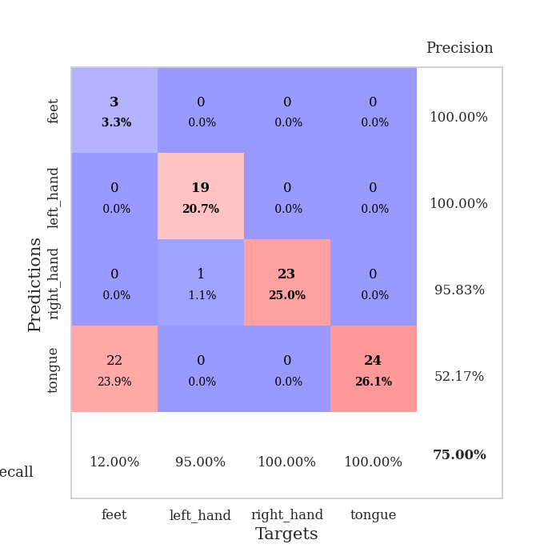
train_loss | valid_loss | train_accuracy | valid_accuracy | dur | train_misclass | valid_misclass
1.2119119634 | 1.4135442765 | 0.2527173913 | 0.26086956522 | 0.087001800537 | 25.27173913 | 26.086956522
0.67007122351 | 3.2760529725 | 0.2527173913 | 0.26086956522 | 0.086041212082 | 25.27173913 | 26.086956522
0.40605009185 | 2.6910603461 | 0.2527173913 | 0.26086956522 | 0.086248874664 | 25.27173913 | 26.086956522
0.25381127713 | 2.2563255352 | 0.25543478261 | 0.21739130435 | 0.086150169373 | 25.543478261 | 21.739130435
0.21948500099 | 4.2831587584 | 0.25543478261 | 0.21739130435 | 0.086024284363 | 25.543478261 | 21.739130435
0.13012195262 | 2.4565816651 | 0.25543478261 | 0.21739130435 | 0.086130857468 | 25.543478261 | 21.739130435
0.17875704356 | 3.4539571845 | 0 | 0 | 0.086297750473 | 0 | 0
0.12566955375 | 11.683732199 | 0.2527173913 | 0.26086956522 | 0.085999011993 | 25.27173913 | 26.086956522
0.11542972866 | 8.2171891669 | 0.25543478261 | 0.21739130435 | 0.086426496506 | 25.543478261 | 21.739130435
0.2768228907 | 5.6061760239 | 0.2527173913 | 0.26086956522 | 0.086232662201 | 25.27173913 | 26.086956522
0.18652568239 | 11.238655629 | 0.25543478261 | 0.21739130435 | 0.086316585541 | 25.543478261 | 21.739130435
0.18770960174 | 22.175568871 | 0.25543478261 | 0.21739130435 | 0.086475610733 | 25.543478261 | 21.739130435
0.18872886208 | 19.505051737 | 0.25543478261 | 0.21739130435 | 0.086371660233 | 25.543478261 | 21.739130435
0.103173704 | 35.724474036 | 0.2527173913 | 0.26086956522 | 0.085991621017 | 25.27173913 | 26.086956522
0.12056724953 | 36.044749882 | 0.25543478261 | 0.21739130435 | 0.086481332779 | 25.543478261 | 21.739130435
0.10992948334 | 36.80663764 | 0.25543478261 | 0.21739130435 | 0.086373567581 | 25.543478261 | 21.739130435
0.090053227568 | 29.546793482 | 0.25815217391 | 0.21739130435 | 0.086285591125 | 25.815217391 | 21.739130435
0.078051347974 | 33.667509991 | 0.25 | 0.25 | 0.086302995682 | 25 | 25
0.096817218375 | 20.974900702 | 0.25543478261 | 0.21739130435 | 0.086573123932 | 25.543478261 | 21.739130435
0.17007670042 | 8.6615054504 | 0.38586956522 | 0.35869565217 | 0.08625626564 | 38.586956522 | 35.869565217
0.1191045722 | 18.732013122 | 0.2527173913 | 0.26086956522 | 0.086256504059 | 25.27173913 | 26.086956522
0.077046744586 | 24.873365651 | 0.2527173913 | 0.26086956522 | 0.085948705673 | 25.27173913 | 26.086956522
0.068460191757 | 41.409588192 | 0.2527173913 | 0.26086956522 | 0.086000680923 | 25.27173913 | 26.086956522
0.04673719684 | 34.038672572 | 0.24184782609 | 0.27173913043 | 0.085839509964 | 24.184782609 | 27.173913043
0.025169369709 | 56.334691089 | 0.2527173913 | 0.26086956522 | 0.085946559906 | 25.27173913 | 26.086956522
0.10201670423 | 45.951052458 | 0.24184782609 | 0.27173913043 | 0.085944890976 | 24.184782609 | 27.173913043
0.091747414035 | 68.518961699 | 0.25543478261 | 0.21739130435 | 0.086012840271 | 25.543478261 | 21.739130435
0.064124229931 | 100.04356351 | 0.2527173913 | 0.26086956522 | 0.085946559906 | 25.27173913 | 26.086956522
0.050007195905 | 151.21357926 | 0.2527173913 | 0.26086956522 | 0.086024284363 | 25.27173913 | 26.086956522
0.047107576691 | 97.307579041 | 0.2527173913 | 0.26086956522 | 0.085867881775 | 25.27173913 | 26.086956522
0.0734405058 | 8.6685768625 | 0.46195652174 | 0.42391304348 | 0.088975667953 | 46.195652174 | 42.391304348
0.027069065292 | 16.957039253 | 0.42663043478 | 0.40217391304 | 0.087057828903 | 42.663043478 | 40.217391304
0.022581812835 | 48.703761391 | 0.2527173913 | 0.26086956522 | 0.086168289185 | 25.27173913 | 26.086956522
0.024856184265 | 63.222206613 | 0.2527173913 | 0.26086956522 | 0.085778236389 | 25.27173913 | 26.086956522
0.040455477798 | 5.3055800977 | 0.61684782609 | 0.48913043478 | 0.085804700851 | 61.684782609 | 48.913043478
0.031168677042 | 34.151256893 | 0.2527173913 | 0.26086956522 | 0.086163043976 | 25.27173913 | 26.086956522
0.024254483631 | 68.118125916 | 0.2527173913 | 0.26086956522 | 0.08599114418 | 25.27173913 | 26.086956522
0.039921070897 | 8.5810187796 | 0.34782608696 | 0.30434782609 | 0.085799694061 | 34.782608696 | 30.434782609
0.033327654923 | 5.9282993234 | 0.53260869565 | 0.52173913043 | 0.085804700851 | 53.260869565 | 52.173913043
0.045270254727 | 23.010510154 | 0.46195652174 | 0.42391304348 | 0.09028339386 | 46.195652174 | 42.391304348
0.023605269999 | 25.25070829 | 0.25815217391 | 0.26086956522 | 0.086658000946 | 25.815217391 | 26.086956522
0.024578971814 | 13.375994475 | 0.4402173913 | 0.41304347826 | 0.086964845657 | 44.02173913 | 41.304347826
0.019798640793 | 1.415416702 | 0.78532608696 | 0.67391304348 | 0.094062805176 | 78.532608696 | 67.391304348
0.023958070631 | 0.80894067754 | 0.88043478261 | 0.73913043478 | 0.086991071701 | 88.043478261 | 73.913043478
0.01100172444 | 0.94026768467 | 0.85869565217 | 0.71739130435 | 0.089111804962 | 85.869565217 | 71.739130435
0.019685298022 | 1.9065240311 | 0.78260869565 | 0.64130434783 | 0.086358785629 | 78.260869565 | 64.130434783
0.031662427138 | 1.6214926346 | 0.77989130435 | 0.71739130435 | 0.086285114288 | 77.989130435 | 71.739130435
0.014718170321 | 2.1309939934 | 0.76902173913 | 0.69565217391 | 0.086436271667 | 76.902173913 | 69.565217391
0.045162061238 | 1.5850607364 | 0.79619565217 | 0.71739130435 | 0.08647274971 | 79.619565217 | 71.739130435
0.012630728533 | 0.95346429555 | 0.85326086957 | 0.75 | 0.086366891861 | 85.326086957 | 75

Best Val accuracy is 0.75 and Best test accuracy is 0.8103448275862069

Sheet2
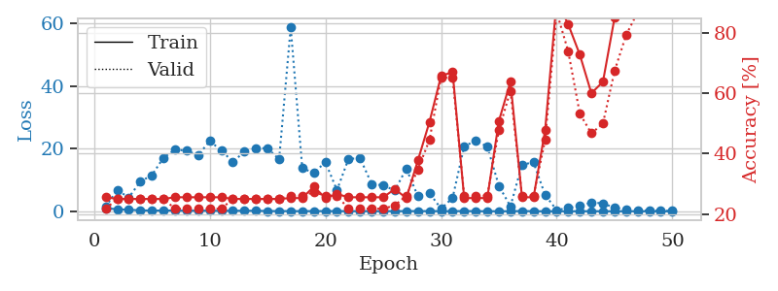
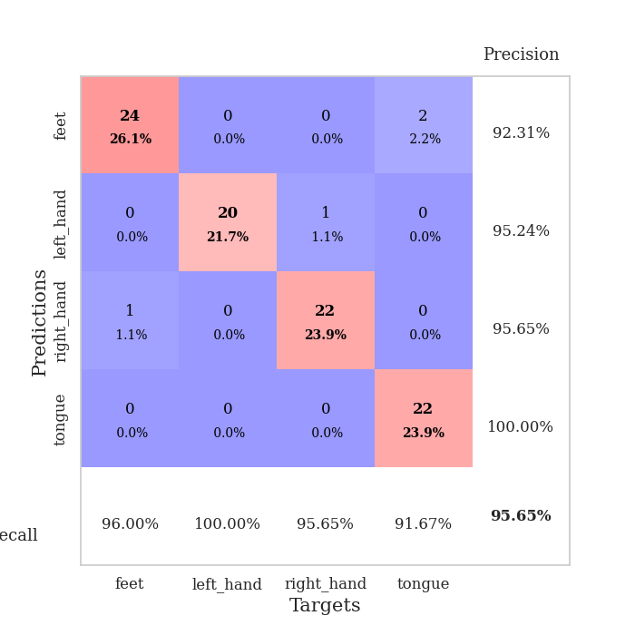
train_loss | valid_loss | train_accuracy | valid_accuracy | dur | train_misclass | valid_misclass
0.95384046306 | 1.4555089215 | 0.25543478261 | 0.21739130435 | 0.087056875229 | 25.543478261 | 21.739130435
0.661701262 | 6.7650526917 | 0.25 | 0.25 | 0.08620929718 | 25 | 25
0.46630910622 | 4.4197652029 | 0.25 | 0.25 | 0.085905313492 | 25 | 25
0.3152724992 | 9.4786734374 | 0.25 | 0.25 | 0.085920572281 | 25 | 25
0.20798806425 | 11.563850444 | 0.25 | 0.25 | 0.086669683456 | 25 | 25
0.25376214281 | 17.120804745 | 0.25 | 0.25 | 0.086175441742 | 25 | 25
0.23225172852 | 19.688390898 | 0.25543478261 | 0.21739130435 | 0.086149215698 | 25.543478261 | 21.739130435
0.18379978423 | 19.392770684 | 0.25543478261 | 0.21739130435 | 0.086302995682 | 25.543478261 | 21.739130435
0.1906255861 | 17.90662724 | 0.25543478261 | 0.21739130435 | 0.086292505264 | 25.543478261 | 21.739130435
0.19052957752 | 22.451694323 | 0.25543478261 | 0.21739130435 | 0.086306333542 | 25.543478261 | 21.739130435
0.14011295512 | 19.483819962 | 0.25543478261 | 0.21739130435 | 0.086338758469 | 25.543478261 | 21.739130435
0.17940487213 | 15.787472559 | 0.25 | 0.25 | 0.086273193359 | 25 | 25
0.15490142808 | 19.048517725 | 0.25 | 0.25 | 0.086342573166 | 25 | 25
0.17443388887 | 20.163431085 | 0.25 | 0.25 | 0.086347818375 | 25 | 25
0.072974287338 | 20.153368908 | 0.25 | 0.25 | 0.086613893509 | 25 | 25
0.058126430635 | 16.607933998 | 0.25 | 0.25 | 0.086609840393 | 25 | 25
0.067096607243 | 58.850084388 | 0.2527173913 | 0.26086956522 | 0.086391687393 | 25.27173913 | 26.086956522
0.032444884798 | 13.784051107 | 0.2527173913 | 0.26086956522 | 0.086464881897 | 25.27173913 | 26.086956522
0.064107066025 | 12.243027024 | 0.29076086957 | 0.27173913043 | 0.086675882339 | 29.076086957 | 27.173913043
0.060115812852 | 15.726263005 | 0.2527173913 | 0.26086956522 | 0.086677312851 | 25.27173913 | 26.086956522
0.059179345389 | 6.7396388261 | 0.26630434783 | 0.26086956522 | 0.086806535721 | 26.630434783 | 26.086956522
0.03843895514 | 16.758696846 | 0.25543478261 | 0.21739130435 | 0.086747169495 | 25.543478261 | 21.739130435
0.038159250702 | 16.968639125 | 0.25543478261 | 0.21739130435 | 0.086316585541 | 25.543478261 | 21.739130435
0.056831348308 | 8.7743649275 | 0.25543478261 | 0.21739130435 | 0.086537599564 | 25.543478261 | 21.739130435
0.012486918012 | 8.2559294079 | 0.25543478261 | 0.21739130435 | 0.086377620697 | 25.543478261 | 21.739130435
0.071958397336 | 6.6980068373 | 0.28260869565 | 0.22826086957 | 0.086467981339 | 28.260869565 | 22.826086957
0.03284302693 | 13.620403497 | 0.2527173913 | 0.26086956522 | 0.085971832275 | 25.27173913 | 26.086956522
0.068979444826 | 4.7874685785 | 0.3777173913 | 0.34782608696 | 0.086082935333 | 37.77173913 | 34.782608696
0.046244319327 | 5.8208815533 | 0.50543478261 | 0.44565217391 | 0.086399793625 | 50.543478261 | 44.565217391
0.059694366307 | 0.821551608 | 0.65760869565 | 0.65217391304 | 0.086387395859 | 65.760869565 | 65.217391304
0.024506586561 | 4.2656242744 | 0.67119565217 | 0.65217391304 | 0.086644887924 | 67.119565217 | 65.217391304
0.088854345001 | 20.770151221 | 0.2527173913 | 0.26086956522 | 0.086646795273 | 25.27173913 | 26.086956522
0.028509758509 | 22.568574574 | 0.2527173913 | 0.26086956522 | 0.086497783661 | 25.27173913 | 26.086956522
0.022173619022 | 20.690386482 | 0.2527173913 | 0.26086956522 | 0.08630156517 | 25.27173913 | 26.086956522
0.012906374941 | 8.1363979423 | 0.50815217391 | 0.47826086957 | 0.086496114731 | 50.815217391 | 47.826086957
0.024793724856 | 1.553373938 | 0.63858695652 | 0.60869565217 | 0.086153268814 | 63.858695652 | 60.869565217
0.080982240681 | 14.924462401 | 0.25543478261 | 0.26086956522 | 0.086410522461 | 25.543478261 | 26.086956522
0.022306788548 | 15.632466026 | 0.25543478261 | 0.26086956522 | 0.089821338654 | 25.543478261 | 26.086956522
0.0087643552359 | 5.1852804682 | 0.47826086957 | 0.44565217391 | 0.086668252945 | 47.826086957 | 44.565217391
0.01330285491 | 0.3948504089 | 0.90760869565 | 0.86956521739 | 0.086042165756 | 90.760869565 | 86.956521739
0.012715411256 | 1.0592160925 | 0.82880434783 | 0.73913043478 | 0.086292743683 | 82.880434783 | 73.913043478
0.020855302881 | 1.6678220293 | 0.72826086957 | 0.53260869565 | 0.086060762405 | 72.826086957 | 53.260869565
0.027800784284 | 2.8282285359 | 0.60054347826 | 0.46739130435 | 0.086293935776 | 60.054347826 | 46.739130435
0.017367212163 | 2.5190337741 | 0.63858695652 | 0.5 | 0.086246013641 | 63.858695652 | 50
0.017774586194 | 1.1328208084 | 0.85054347826 | 0.67391304348 | 0.086088418961 | 85.054347826 | 67.391304348
0.016538973893 | 0.64873344678 | 0.91576086957 | 0.79347826087 | 0.086207151413 | 91.576086957 | 79.347826087
0.01324702895 | 0.3489636199 | 0.95652173913 | 0.86956521739 | 0.086218833923 | 95.652173913 | 86.956521739
0.0088004380156 | 0.21724926292 | 0.98369565217 | 0.91304347826 | 0.086558818817 | 98.369565217 | 91.304347826
0.016651250263 | 0.15026577846 | 0.99184782609 | 0.95652173913 | 0.086344718933 | 99.184782609 | 95.652173913
0.018287127608 | 0.11542042653 | 0.99456521739 | 0.95652173913 | 0.086058616638 | 99.456521739 | 95.652173913

Best Val accuracy is 0.9565217391304348 and Best test accuracy is 0.9396551724137931

Sheet3
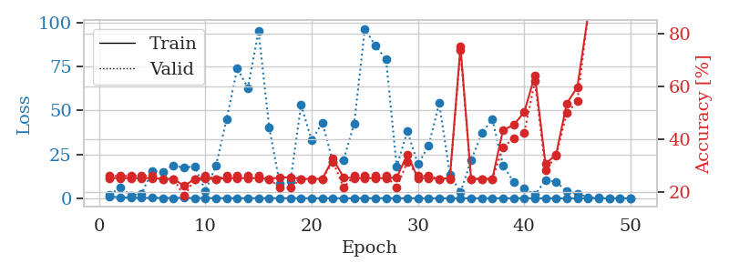
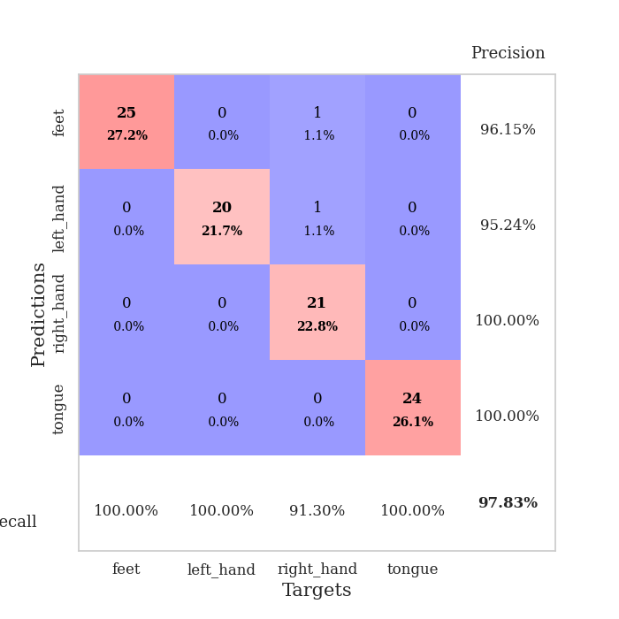
train_loss | valid_loss | train_accuracy | valid_accuracy | dur | train_misclass | valid_misclass
1.0739151032 | 2.0029015748 | 0.2527173913 | 0.26086956522 | 0.087196111679 | 25.27173913 | 26.086956522
0.53069844907 | 6.3089045649 | 0.2527173913 | 0.26086956522 | 0.085982322693 | 25.27173913 | 26.086956522
0.37549858184 | 1.6060116758 | 0.2527173913 | 0.26086956522 | 0.085813522339 | 25.27173913 | 26.086956522
0.25967048173 | 2.7808962283 | 0.2527173913 | 0.26086956522 | 0.0860247612 | 25.27173913 | 26.086956522
0.2619293967 | 15.619459899 | 0.2527173913 | 0.26086956522 | 0.086471796036 | 25.27173913 | 26.086956522
0.18458084766 | 15.200175617 | 0.25 | 0.25 | 0.085916996002 | 25 | 25
0.18765518377 | 18.687017026 | 0.25 | 0.25 | 0.086050033569 | 25 | 25
0.24445976608 | 17.379244182 | 0.22282608696 | 0.1847826087 | 0.086613416672 | 22.282608696 | 18.47826087
0.15744430689 | 18.282185762 | 0.25 | 0.25 | 0.086423873901 | 25 | 25
0.12822037492 | 4.2497264302 | 0.2527173913 | 0.26086956522 | 0.086197376251 | 25.27173913 | 26.086956522
0.15645845437 | 18.720681315 | 0.25 | 0.25 | 0.086161613464 | 25 | 25
0.086348502006 | 45.14251709 | 0.2527173913 | 0.26086956522 | 0.08607673645 | 25.27173913 | 26.086956522
0.084309074734 | 73.823594135 | 0.2527173913 | 0.26086956522 | 0.086270809174 | 25.27173913 | 26.086956522
0.07417990324 | 62.801541536 | 0.2527173913 | 0.26086956522 | 0.086333274841 | 25.27173913 | 26.086956522
0.085544823163 | 95.065041915 | 0.2527173913 | 0.26086956522 | 0.0866086483 | 25.27173913 | 26.086956522
0.1107344862 | 40.508873815 | 0.25 | 0.25 | 0.086531877518 | 25 | 25
0.063949070962 | 8.1978209952 | 0.25543478261 | 0.21739130435 | 0.086720705032 | 25.543478261 | 21.739130435
0.067243970905 | 9.6789133652 | 0.25543478261 | 0.21739130435 | 0.086572170258 | 25.543478261 | 21.739130435
0.10901448311 | 53.17498912 | 0.25 | 0.25 | 0.0862596035 | 25 | 25
0.045411799255 | 32.872373996 | 0.25 | 0.25 | 0.086536407471 | 25 | 25
0.055517186451 | 43.150970957 | 0.25 | 0.25 | 0.086333036423 | 25 | 25
0.040012507821 | 20.714501174 | 0.32608695652 | 0.3152173913 | 0.08674287796 | 32.608695652 | 31.52173913
0.024347487641 | 21.842820541 | 0.25543478261 | 0.21739130435 | 0.086468696594 | 25.543478261 | 21.739130435
0.037106958795 | 42.612531579 | 0.2527173913 | 0.26086956522 | 0.086661100388 | 25.27173913 | 26.086956522
0.053025098599 | 96.356232021 | 0.2527173913 | 0.26086956522 | 0.086632728577 | 25.27173913 | 26.086956522
0.067023106689 | 86.852979909 | 0.2527173913 | 0.26086956522 | 0.086488008499 | 25.27173913 | 26.086956522
0.1037662117 | 79.027256841 | 0.2527173913 | 0.26086956522 | 0.086448431015 | 25.27173913 | 26.086956522
0.053542591911 | 17.952486702 | 0.25543478261 | 0.21739130435 | 0.086355447769 | 25.543478261 | 21.739130435
0.050681749298 | 38.208587481 | 0.34239130435 | 0.3152173913 | 0.086090087891 | 34.239130435 | 31.52173913
0.023101892186 | 19.381370793 | 0.2527173913 | 0.26086956522 | 0.086523771286 | 25.27173913 | 26.086956522
0.054654880551 | 29.779111365 | 0.2527173913 | 0.26086956522 | 0.086261987686 | 25.27173913 | 26.086956522
0.040819816091 | 54.117760202 | 0.25 | 0.25 | 0.086340665817 | 25 | 25
0.025268894365 | 13.610111195 | 0.2527173913 | 0.25 | 0.086458206177 | 25.27173913 | 25
0.015260470026 | 3.4570667225 | 0.75 | 0.73913043478 | 0.086522817612 | 75 | 73.913043478
0.051092234407 | 21.487449148 | 0.25 | 0.25 | 0.086525678635 | 25 | 25
0.038316127957 | 37.024588378 | 0.25 | 0.25 | 0.086329936981 | 25 | 25
0.025664553603 | 44.980608235 | 0.25 | 0.25 | 0.086602449417 | 25 | 25
0.011605632446 | 18.768759769 | 0.4347826087 | 0.36956521739 | 0.086455821991 | 43.47826087 | 36.956521739
0.019252791786 | 9.3691004256 | 0.45380434783 | 0.40217391304 | 0.086415290833 | 45.380434783 | 40.217391304
0.016320389276 | 5.8454267875 | 0.5027173913 | 0.42391304348 | 0.086429595947 | 50.27173913 | 42.391304348
0.01184338741 | 2.0211290899 | 0.64130434783 | 0.61956521739 | 0.086294651031 | 64.130434783 | 61.956521739
0.0065187493418 | 10.309518358 | 0.30706521739 | 0.28260869565 | 0.086243152618 | 30.706521739 | 28.260869565
0.011159382976 | 9.3993815546 | 0.34239130435 | 0.33695652174 | 0.086355924606 | 34.239130435 | 33.695652174
0.014532527729 | 4.0441114799 | 0.53532608696 | 0.5 | 0.086405992508 | 53.532608696 | 50
0.014634984514 | 2.7729306843 | 0.59782608696 | 0.54347826087 | 0.086512804031 | 59.782608696 | 54.347826087
0.011373791172 | 0.52658453778 | 0.86956521739 | 0.86956521739 | 0.086449861526 | 86.956521739 | 86.956521739
0.031979756255 | 0.24889254473 | 0.96195652174 | 0.9347826087 | 0.091726303101 | 96.195652174 | 93.47826087
0.012355183874 | 0.16360772263 | 0.98369565217 | 0.95652173913 | 0.094898700714 | 98.369565217 | 95.652173913
0.0071669681436 | 0.12935638148 | 0.99184782609 | 0.97826086957 | 0.097057580948 | 99.184782609 | 97.826086957
0.010133619458 | 0.10684199238 | 0.9972826087 | 0.97826086957 | 0.086023807526 | 99.72826087 | 97.826086957

Best Val accuracy is 0.9782608695652174 and Best test accuracy is 0.9655172413793104

Sheet4
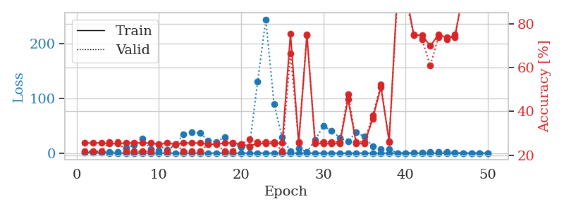
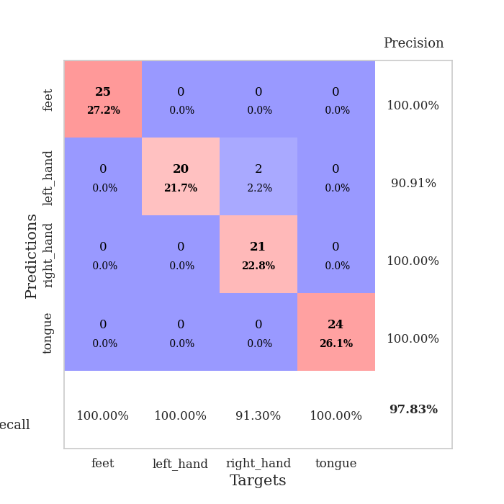
train_loss | valid_loss | train_accuracy | valid_accuracy | dur | train_misclass | valid_misclass
1.0429572126 | 2.0323125901 | 0.25543478261 | 0.21739130435 | 0.086307764053 | 25.543478261 | 21.739130435
0.6309533942 | 1.8104395244 | 0.25543478261 | 0.21739130435 | 0.086359024048 | 25.543478261 | 21.739130435
0.38473754797 | 2.5334212573 | 0.25543478261 | 0.21739130435 | 0.086027145386 | 25.543478261 | 21.739130435
0.26319925406 | 2.4811217578 | 0.2527173913 | 0.26086956522 | 0.086125612259 | 25.27173913 | 26.086956522
0.20863862676 | 1.7759783838 | 0.2527173913 | 0.26086956522 | 0.086660146713 | 25.27173913 | 26.086956522
0.20153162094 | 10.248251915 | 0.25543478261 | 0.21739130435 | 0.08674120903 | 25.543478261 | 21.739130435
0.23276145473 | 14.664140909 | 0.25543478261 | 0.21739130435 | 0.08648276329 | 25.543478261 | 21.739130435
0.24636802458 | 27.257227773 | 0.25543478261 | 0.21739130435 | 0.086574077606 | 25.543478261 | 21.739130435
0.10239764526 | 7.0899598495 | 0.25543478261 | 0.21739130435 | 0.086618423462 | 25.543478261 | 21.739130435
0.12436944258 | 4.303275948 | 0.25 | 0.25 | 0.086492538452 | 25 | 25
0.14746925392 | 6.5549294016 | 0.25543478261 | 0.21739130435 | 0.086408138275 | 25.543478261 | 21.739130435
0.10998211721 | 15.428497314 | 0.25 | 0.25 | 0.086482048035 | 25 | 25
0.10275013878 | 34.97537331 | 0.25543478261 | 0.21739130435 | 0.086470842361 | 25.543478261 | 21.739130435
0.11694334673 | 37.856283768 | 0.25543478261 | 0.21739130435 | 0.086562156677 | 25.543478261 | 21.739130435
0.098491883918 | 36.478714819 | 0.25543478261 | 0.21739130435 | 0.086302518845 | 25.543478261 | 21.739130435
0.1033650118 | 23.256117448 | 0.25 | 0.25 | 0.086255073547 | 25 | 25
0.090297730579 | 20.219593297 | 0.25 | 0.25 | 0.086570501328 | 25 | 25
0.11018043904 | 29.311932688 | 0.25543478261 | 0.21739130435 | 0.086598396301 | 25.543478261 | 21.739130435
0.071571962594 | 18.203249973 | 0.25543478261 | 0.21739130435 | 0.086547136307 | 25.543478261 | 21.739130435
0.052259642686 | 11.828549427 | 0.25 | 0.25 | 0.086516141891 | 25 | 25
0.048386229091 | 10.679139676 | 0.24184782609 | 0.27173913043 | 0.086388349533 | 24.184782609 | 27.173913043
0.042986379223 | 130.31415027 | 0.2527173913 | 0.26086956522 | 0.086864709854 | 25.27173913 | 26.086956522
0.069175918445 | 244.36713376 | 0.2527173913 | 0.26086956522 | 0.08656334877 | 25.27173913 | 26.086956522
0.046414136416 | 89.87083999 | 0.2527173913 | 0.26086956522 | 0.086550712585 | 25.27173913 | 26.086956522
0.0342411319 | 28.792908378 | 0.25543478261 | 0.21739130435 | 0.086285114288 | 25.543478261 | 21.739130435
0.042570357864 | 3.1741665965 | 0.7527173913 | 0.66304347826 | 0.086451292038 | 75.27173913 | 66.304347826
0.049572102788 | 8.5303139065 | 0.25543478261 | 0.26086956522 | 0.087404727936 | 25.543478261 | 26.086956522
0.025713081213 | 2.1410753312 | 0.7472826087 | 0.75 | 0.086982011795 | 74.72826087 | 75
0.056609857223 | 24.248344504 | 0.2527173913 | 0.26086956522 | 0.087126493454 | 25.27173913 | 26.086956522
0.038827065583 | 49.647831958 | 0.2527173913 | 0.26086956522 | 0.087266921997 | 25.27173913 | 26.086956522
0.018692744559 | 40.880094279 | 0.2527173913 | 0.26086956522 | 0.086877346039 | 25.27173913 | 26.086956522
0.016003793557 | 28.361579978 | 0.2527173913 | 0.26086956522 | 0.08699798584 | 25.27173913 | 26.086956522
0.051425523287 | 21.348705706 | 0.45652173913 | 0.47826086957 | 0.087027788162 | 45.652173913 | 47.826086957
0.017381412471 | 38.324579156 | 0.2527173913 | 0.26086956522 | 0.087240457535 | 25.27173913 | 26.086956522
0.042034954245 | 30.081613375 | 0.2527173913 | 0.26086956522 | 0.087132930756 | 25.27173913 | 26.086956522
0.020415476599 | 12.254295888 | 0.36684782609 | 0.38043478261 | 0.086953878403 | 36.684782609 | 38.043478261
0.017874514095 | 6.9313011169 | 0.51086956522 | 0.52173913043 | 0.087029457092 | 51.086956522 | 52.173913043
0.048499959329 | 7.6519882368 | 0.26358695652 | 0.26086956522 | 0.08696269989 | 26.358695652 | 26.086956522
0.021105875079 | 0.27251491858 | 0.94836956522 | 0.91304347826 | 0.087069988251 | 94.836956522 | 91.304347826
0.037742435226 | 0.22428162752 | 0.94565217391 | 0.91304347826 | 0.087547302246 | 94.565217391 | 91.304347826
0.0086628780159 | 1.5909010638 | 0.7472826087 | 0.75 | 0.087087154388 | 74.72826087 | 75
0.0092225700472 | 0.98843610028 | 0.7472826087 | 0.72826086957 | 0.087023019791 | 74.72826087 | 72.826086957
0.014833594819 | 1.6117048108 | 0.69836956522 | 0.60869565217 | 0.087240695953 | 69.836956522 | 60.869565217
0.018843107452 | 2.8380921405 | 0.75 | 0.73913043478 | 0.087136030197 | 75 | 73.913043478
0.013986914488 | 2.5883765946 | 0.73641304348 | 0.72826086957 | 0.08736205101 | 73.641304348 | 72.826086957
0.013600795052 | 1.1756044678 | 0.73913043478 | 0.75 | 0.087238550186 | 73.913043478 | 75
0.023429994388 | 0.29693338923 | 0.94293478261 | 0.92391304348 | 0.087089300156 | 94.293478261 | 92.391304348
0.021826712834 | 0.16992223036 | 0.96739130435 | 0.95652173913 | 0.08744430542 | 96.739130435 | 95.652173913
0.010221287892 | 0.11320602432 | 0.98913043478 | 0.95652173913 | 0.087548017502 | 98.913043478 | 95.652173913
0.036570526541 | 0.081788480727 | 0.99184782609 | 0.97826086957 | 0.08721446991 | 99.184782609 | 97.826086957

Best Val accuracy is 0.9782608695652174 and Best test accuracy is 0.9568965517241379

Sheet5
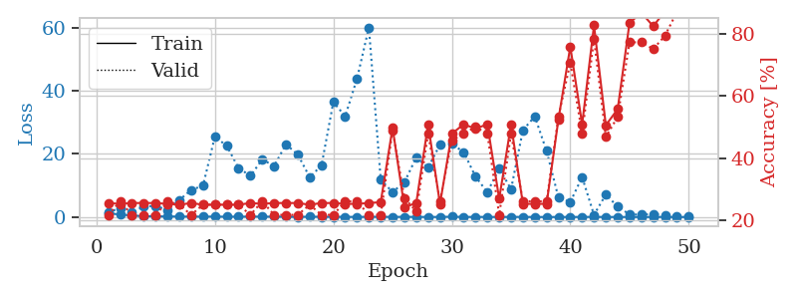
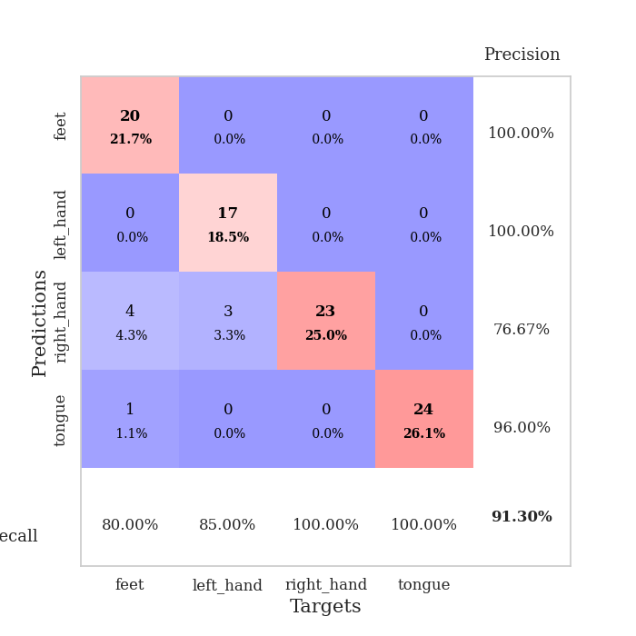
train_loss | valid_loss | train_accuracy | valid_accuracy | dur | train_misclass | valid_misclass
1.1799456451 | 1.4447729277 | 0.25543478261 | 0.21739130435 | 0.089789628983 | 25.543478261 | 21.739130435
0.8215857511 | 2.8605717265 | 0.2527173913 | 0.26086956522 | 0.088057756424 | 25.27173913 | 26.086956522
0.47455935115 | 1.5691152241 | 0.25543478261 | 0.21739130435 | 0.088495969772 | 25.543478261 | 21.739130435
0.27280612614 | 3.2916957192 | 0.25543478261 | 0.21739130435 | 0.090221405029 | 25.543478261 | 21.739130435
0.21033017758 | 3.5463935085 | 0.25543478261 | 0.21739130435 | 0.090582609177 | 25.543478261 | 21.739130435
0.19374372033 | 2.2166181958 | 0.2527173913 | 0.26086956522 | 0.090286254883 | 25.27173913 | 26.086956522
0.15595196143 | 5.3688237356 | 0.25 | 0.25 | 0.090522289276 | 25 | 25
0.14586219471 | 8.581869001 | 0.25543478261 | 0.21739130435 | 0.090394258499 | 25.543478261 | 21.739130435
0.1314405112 | 9.9136378661 | 0.25 | 0.25 | 0.090643882751 | 25 | 25
0.15065296839 | 25.441633059 | 0.25 | 0.25 | 0.090614080429 | 25 | 25
0.1042147853 | 22.538200378 | 0.25 | 0.25 | 0.090784788132 | 25 | 25
0.12955310661 | 15.532234399 | 0.25 | 0.25 | 0.090540885925 | 25 | 25
0.12617085354 | 13.027197257 | 0.25543478261 | 0.21739130435 | 0.10096216202 | 25.543478261 | 21.739130435
0.14041331631 | 18.214367369 | 0.2527173913 | 0.26086956522 | 0.096551179886 | 25.27173913 | 26.086956522
0.093168900743 | 16.159630153 | 0.25543478261 | 0.21739130435 | 0.090978622437 | 25.543478261 | 21.739130435
0.10714309364 | 23.018321908 | 0.25543478261 | 0.21739130435 | 0.095427036285 | 25.543478261 | 21.739130435
0.044553674912 | 19.782141644 | 0.25543478261 | 0.21739130435 | 0.091580867767 | 25.543478261 | 21.739130435
0.11101918167 | 12.63528969 | 0.25 | 0.25 | 0.10141086578 | 25 | 25
0.080171722321 | 16.282998707 | 0.25543478261 | 0.21739130435 | 0.093271970749 | 25.543478261 | 21.739130435
0.05690169952 | 36.360296664 | 0.25543478261 | 0.21739130435 | 0.094384431839 | 25.543478261 | 21.739130435
0.068671600263 | 31.907943477 | 0.2527173913 | 0.26086956522 | 0.093141317368 | 25.27173913 | 26.086956522
0.032002933495 | 43.786345275 | 0.2527173913 | 0.26086956522 | 0.08660197258 | 25.27173913 | 26.086956522
0.074767508554 | 60.001983643 | 0.25543478261 | 0.21739130435 | 0.086290597916 | 25.543478261 | 21.739130435
0.068406512839 | 11.775143126 | 0.25815217391 | 0.21739130435 | 0.086180686951 | 25.815217391 | 21.739130435
0.042655850487 | 7.9030469811 | 0.4972826087 | 0.48913043478 | 0.086087703705 | 49.72826087 | 48.913043478
0.066933551465 | 11.031530919 | 0.24184782609 | 0.27173913043 | 0.086189031601 | 24.184782609 | 27.173913043
0.052886365204 | 18.862773315 | 0.25543478261 | 0.22826086957 | 0.086756229401 | 25.543478261 | 22.826086957
0.026697871729 | 15.650011146 | 0.50815217391 | 0.47826086957 | 0.086297988892 | 50.815217391 | 47.826086957
0.034094066179 | 22.90743521 | 0.2527173913 | 0.26086956522 | 0.08611702919 | 25.27173913 | 26.086956522
0.10787322431 | 23.131265309 | 0.47826086957 | 0.45652173913 | 0.086343288422 | 47.826086957 | 45.652173913
0.031520584563 | 20.574739124 | 0.50815217391 | 0.47826086957 | 0.086045503616 | 50.815217391 | 47.826086957
0.040188583234 | 12.782689136 | 0.49456521739 | 0.5 | 0.086076021194 | 49.456521739 | 50
0.037079267792 | 7.8623886523 | 0.50815217391 | 0.47826086957 | 0.086151838303 | 50.815217391 | 47.826086957
0.020117258706 | 15.406300089 | 0.26902173913 | 0.21739130435 | 0.086374998093 | 26.902173913 | 21.739130435
0.047179934361 | 8.8120933616 | 0.50815217391 | 0.47826086957 | 0.086312055588 | 50.815217391 | 47.826086957
0.040206729894 | 27.503930133 | 0.2527173913 | 0.26086956522 | 0.086094379425 | 25.27173913 | 26.086956522
0.018954428017 | 31.836459533 | 0.2527173913 | 0.26086956522 | 0.086329936981 | 25.27173913 | 26.086956522
0.019983117489 | 20.907569554 | 0.2527173913 | 0.26086956522 | 0.086160182953 | 25.27173913 | 26.086956522
0.01898410185 | 6.1742718738 | 0.52445652174 | 0.53260869565 | 0.086298704147 | 52.445652174 | 53.260869565
0.021653013282 | 4.7506763935 | 0.75815217391 | 0.70652173913 | 0.086342573166 | 75.815217391 | 70.652173913
0.038608656558 | 12.649380767 | 0.50815217391 | 0.47826086957 | 0.086626052856 | 50.815217391 | 47.826086957
0.03922131844 | 0.69158702311 | 0.82608695652 | 0.78260869565 | 0.086117267609 | 82.608695652 | 78.260869565
0.026592598646 | 7.1317860977 | 0.50543478261 | 0.46739130435 | 0.086515665054 | 50.543478261 | 46.739130435
0.019161988352 | 3.2723273039 | 0.55706521739 | 0.53260869565 | 0.086420059204 | 55.706521739 | 53.260869565
0.022994844207 | 0.84544222122 | 0.83423913043 | 0.77173913043 | 0.086139202118 | 83.423913043 | 77.173913043
0.024844139943 | 0.76187380241 | 0.86684782609 | 0.77173913043 | 0.086226463318 | 86.684782609 | 77.173913043
0.012130737054 | 0.93523110255 | 0.82336956522 | 0.75 | 0.086163759232 | 82.336956522 | 75
0.034458122059 | 0.67099970126 | 0.8722826087 | 0.79347826087 | 0.086033344269 | 87.22826087 | 79.347826087
0.020698868029 | 0.38032441586 | 0.9402173913 | 0.86956521739 | 0.086635351181 | 94.02173913 | 86.956521739
0.011520211421 | 0.23068789344 | 0.96467391304 | 0.91304347826 | 0.086590051651 | 96.467391304 | 91.304347826

Best Val accuracy is 0.9130434782608695 and Best test accuracy is 0.896551724137931

Sheet6
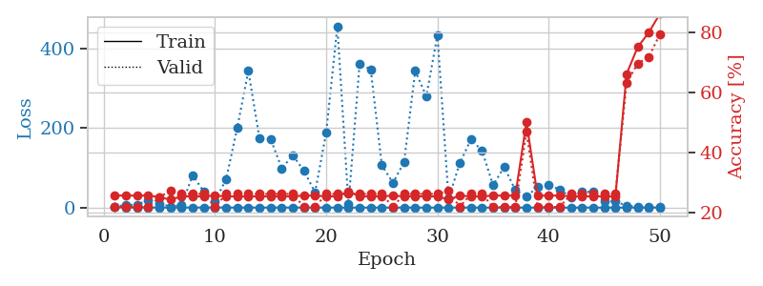
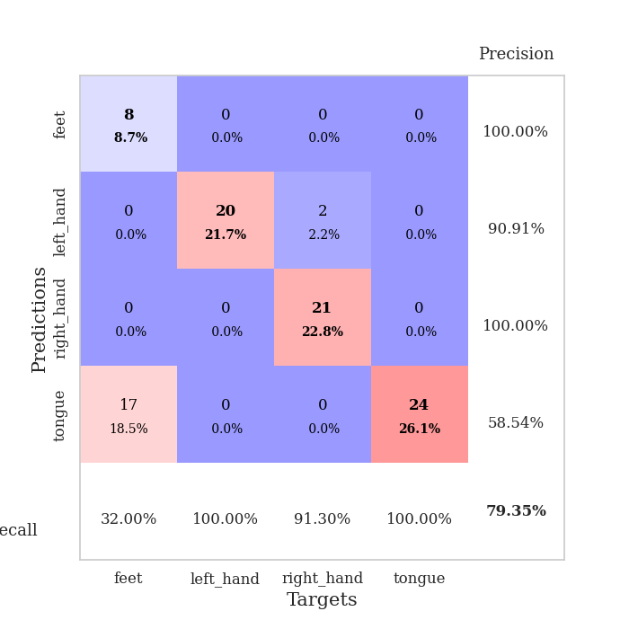
train_loss | valid_loss | train_accuracy | valid_accuracy | dur | train_misclass | valid_misclass
1.1183243187 | 1.9284331177 | 0.25543478261 | 0.21739130435 | 0.086311578751 | 25.543478261 | 21.739130435
0.52220592356 | 6.9649892268 | 0.25543478261 | 0.21739130435 | 0.085129737854 | 25.543478261 | 21.739130435
0.37416252364 | 7.0371042335 | 0.25543478261 | 0.21739130435 | 0.086669445038 | 25.543478261 | 21.739130435
0.35119651258 | 19.473516713 | 0.25543478261 | 0.21739130435 | 0.08815908432 | 25.543478261 | 21.739130435
0.16595661276 | 9.4589664625 | 0.25 | 0.25 | 0.086030006409 | 25 | 25
0.13740753488 | 2.9070397253 | 0.24184782609 | 0.27173913043 | 0.086037635803 | 24.184782609 | 27.173913043
0.18333632386 | 5.9416355257 | 0.2527173913 | 0.26086956522 | 0.086354970932 | 25.27173913 | 26.086956522
0.16994455393 | 81.755275229 | 0.2527173913 | 0.26086956522 | 0.086450576782 | 25.27173913 | 26.086956522
0.15614964278 | 40.012391629 | 0.2527173913 | 0.26086956522 | 0.086327314377 | 25.27173913 | 26.086956522
0.085571267723 | 15.810558651 | 0.25543478261 | 0.21739130435 | 0.086342334747 | 25.543478261 | 21.739130435
0.14921617494 | 71.180661741 | 0.2527173913 | 0.26086956522 | 0.08638215065 | 25.27173913 | 26.086956522
0.13979724807 | 200.70904276 | 0.2527173913 | 0.26086956522 | 0.086771965027 | 25.27173913 | 26.086956522
0.069023179068 | 344.47003572 | 0.2527173913 | 0.26086956522 | 0.086243629456 | 25.27173913 | 26.086956522
0.10960996977 | 173.92655149 | 0.2527173913 | 0.26086956522 | 0.086392641068 | 25.27173913 | 26.086956522
0.082625436718 | 172.85215759 | 0.2527173913 | 0.26086956522 | 0.086310625076 | 25.27173913 | 26.086956522
0.16252319023 | 98.700099447 | 0.2527173913 | 0.26086956522 | 0.086638689041 | 25.27173913 | 26.086956522
0.20347946477 | 131.39163739 | 0.2527173913 | 0.26086956522 | 0.086627483368 | 25.27173913 | 26.086956522
0.18590727752 | 92.107242418 | 0.25543478261 | 0.21739130435 | 0.086090087891 | 25.543478261 | 21.739130435
0.084302652911 | 38.323822851 | 0.25543478261 | 0.21739130435 | 0.086220026016 | 25.543478261 | 21.739130435
0.10079231713 | 189.13417584 | 0.2527173913 | 0.26086956522 | 0.086460351944 | 25.27173913 | 26.086956522
0.072072321448 | 456.52665777 | 0.2527173913 | 0.26086956522 | 0.086357831955 | 25.27173913 | 26.086956522
0.048683431728 | 8.905179936 | 0.26902173913 | 0.26086956522 | 0.086312770844 | 26.902173913 | 26.086956522
0.048803955423 | 361.09553594 | 0.2527173913 | 0.26086956522 | 0.086311340332 | 25.27173913 | 26.086956522
0.042878325707 | 348.20160045 | 0.2527173913 | 0.26086956522 | 0.086423158646 | 25.27173913 | 26.086956522
0.036138132247 | 106.36511861 | 0.2527173913 | 0.26086956522 | 0.086247444153 | 25.27173913 | 26.086956522
0.063470492451 | 62.055181089 | 0.25543478261 | 0.21739130435 | 0.086287021637 | 25.543478261 | 21.739130435
0.046412060442 | 114.33980693 | 0.2527173913 | 0.26086956522 | 0.086081981659 | 25.27173913 | 26.086956522
0.037443162096 | 344.04721335 | 0.2527173913 | 0.26086956522 | 0.088150262833 | 25.27173913 | 26.086956522
0.019109033573 | 280.26850957 | 0.2527173913 | 0.26086956522 | 0.086191892624 | 25.27173913 | 26.086956522
0.039387244386 | 434.27662327 | 0.2527173913 | 0.26086956522 | 0.086213827133 | 25.27173913 | 26.086956522
0.026674640781 | 22.18812984 | 0.24184782609 | 0.27173913043 | 0.086394071579 | 24.184782609 | 27.173913043
0.078027857933 | 111.39118593 | 0.25543478261 | 0.21739130435 | 0.086257457733 | 25.543478261 | 21.739130435
0.023836611229 | 171.1237919 | 0.2527173913 | 0.26086956522 | 0.086308717728 | 25.27173913 | 26.086956522
0.014029613633 | 144.12736544 | 0.2527173913 | 0.26086956522 | 0.086312770844 | 25.27173913 | 26.086956522
0.053058850414 | 56.020351078 | 0.25543478261 | 0.21739130435 | 0.086235046387 | 25.543478261 | 21.739130435
0.043413320569 | 102.5657269 | 0.25543478261 | 0.21739130435 | 0.086179018021 | 25.543478261 | 21.739130435
0.023836030715 | 44.168594526 | 0.25543478261 | 0.21739130435 | 0.086194515228 | 25.543478261 | 21.739130435
0.009566607675 | 27.317298309 | 0.5 | 0.46739130435 | 0.086267709732 | 50 | 46.739130435
0.025336295199 | 52.176658299 | 0.25543478261 | 0.21739130435 | 0.086494684219 | 25.543478261 | 21.739130435
0.022115430561 | 56.062913314 | 0.25543478261 | 0.21739130435 | 0.086496353149 | 25.543478261 | 21.739130435
0.011099493984 | 45.704257633 | 0.25543478261 | 0.21739130435 | 0.086288928986 | 25.543478261 | 21.739130435
0.017500243654 | 25.449340074 | 0.2527173913 | 0.26086956522 | 0.086280822754 | 25.27173913 | 26.086956522
0.0093546876432 | 40.042992633 | 0.2527173913 | 0.26086956522 | 0.086221694946 | 25.27173913 | 26.086956522
0.02976000747 | 39.192754165 | 0.2527173913 | 0.26086956522 | 0.086361885071 | 25.27173913 | 26.086956522
0.016419390003 | 16.089732916 | 0.2527173913 | 0.26086956522 | 0.089373826981 | 25.27173913 | 26.086956522
0.0085350206171 | 15.459453375 | 0.2527173913 | 0.26086956522 | 0.087254285812 | 25.27173913 | 26.086956522
0.023477093479 | 4.5236792875 | 0.66032608696 | 0.63043478261 | 0.086864709854 | 66.032608696 | 63.043478261
0.038232170886 | 2.360921839 | 0.75 | 0.69565217391 | 0.08679318428 | 75 | 69.565217391
0.0086306518478 | 1.4762854524 | 0.79891304348 | 0.71739130435 | 0.086638212204 | 79.891304348 | 71.739130435
0.014112662578 | 0.87659640416 | 0.86141304348 | 0.79347826087 | 0.086654663086 | 86.141304348 | 79.347826087

Best Val accuracy is 0.7934782608695652 and Best test accuracy is 0.8189655172413793

Sheet7
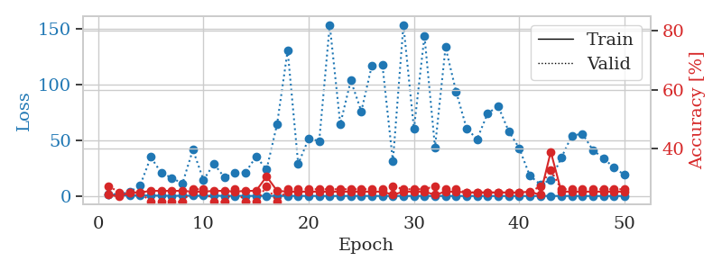
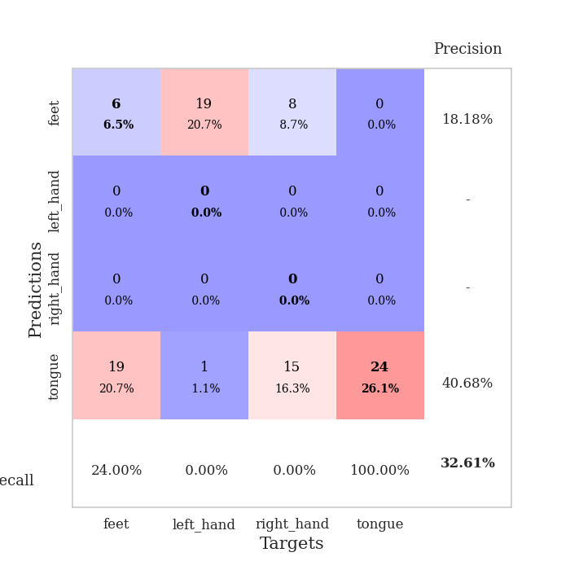
train_loss | valid_loss | train_accuracy | valid_accuracy | dur | train_misclass | valid_misclass
1.0964441481 | 1.4330148956 | 0.24184782609 | 0.27173913043 | 0.087005376816 | 24.184782609 | 27.173913043
0.68532526234 | 1.642150174 | 0.23641304348 | 0.25 | 0.085371494293 | 23.641304348 | 25
0.43447865611 | 3.5288617196 | 0.25 | 0.25 | 0.085572719574 | 25 | 25
0.44482020062 | 9.7446244903 | 0.25 | 0.25 | 0.086443424225 | 25 | 25
0.43723844607 | 34.909572601 | 0.25543478261 | 0.21739130435 | 0.086027383804 | 25.543478261 | 21.739130435
0.26033168387 | 20.55431366 | 0.25543478261 | 0.21739130435 | 0.086190223694 | 25.543478261 | 21.739130435
0.19292030645 | 16.315766874 | 0.25543478261 | 0.21739130435 | 0.086323976517 | 25.543478261 | 21.739130435
0.2082998193 | 11.060800469 | 0.25543478261 | 0.21739130435 | 0.086303949356 | 25.543478261 | 21.739130435
0.23539945054 | 41.507305809 | 0.2527173913 | 0.26086956522 | 0.086404323578 | 25.27173913 | 26.086956522
0.20988821931 | 14.393036884 | 0.2527173913 | 0.26086956522 | 0.086314678192 | 25.27173913 | 26.086956522
0.21841244084 | 28.770307707 | 0.25543478261 | 0.21739130435 | 0.086280107498 | 25.543478261 | 21.739130435
0.17293747263 | 16.608956793 | 0.25543478261 | 0.21739130435 | 0.086156129837 | 25.543478261 | 21.739130435
0.18332073453 | 21.094685679 | 0.2527173913 | 0.26086956522 | 0.086163282394 | 25.27173913 | 26.086956522
0.085968683879 | 21.155844232 | 0.25543478261 | 0.21739130435 | 0.086264610291 | 25.543478261 | 21.739130435
0.087682432029 | 35.32350308 | 0.25543478261 | 0.21739130435 | 0.086309909821 | 25.543478261 | 21.739130435
0.07710466463 | 23.821090864 | 0.30434782609 | 0.27173913043 | 0.086115598679 | 30.434782609 | 27.173913043
0.13120203362 | 64.51257374 | 0.25543478261 | 0.21739130435 | 0.086172580719 | 25.543478261 | 21.739130435
0.11612506023 | 130.51529959 | 0.2527173913 | 0.26086956522 | 0.086265802383 | 25.27173913 | 26.086956522
0.084429311222 | 28.649514157 | 0.2527173913 | 0.26086956522 | 0.086138248444 | 25.27173913 | 26.086956522
0.055785404913 | 51.456134299 | 0.2527173913 | 0.26086956522 | 0.086140155792 | 25.27173913 | 26.086956522
0.072283034557 | 49.336924511 | 0.2527173913 | 0.26086956522 | 0.086130619049 | 25.27173913 | 26.086956522
0.049985267665 | 153.4495697 | 0.2527173913 | 0.26086956522 | 0.086155653 | 25.27173913 | 26.086956522
0.058839387346 | 64.373270284 | 0.2527173913 | 0.26086956522 | 0.086097717285 | 25.27173913 | 26.086956522
0.11967772803 | 103.52481112 | 0.2527173913 | 0.26086956522 | 0.086382865906 | 25.27173913 | 26.086956522
0.084064569172 | 75.939131695 | 0.2527173913 | 0.26086956522 | 0.086097240448 | 25.27173913 | 26.086956522
0.071838058405 | 116.99311862 | 0.2527173913 | 0.26086956522 | 0.086213111877 | 25.27173913 | 26.086956522
0.022095398127 | 117.87920745 | 0.2527173913 | 0.26086956522 | 0.086161613464 | 25.27173913 | 26.086956522
0.057470149381 | 30.897227412 | 0.24184782609 | 0.27173913043 | 0.08608174324 | 24.184782609 | 27.173913043
0.032569397874 | 153.5223382 | 0.2527173913 | 0.26086956522 | 0.086018323898 | 25.27173913 | 26.086956522
0.032694859729 | 60.112944893 | 0.2527173913 | 0.26086956522 | 0.08615398407 | 25.27173913 | 26.086956522
0.056732485558 | 143.60114255 | 0.2527173913 | 0.26086956522 | 0.086132526398 | 25.27173913 | 26.086956522
0.040607801512 | 43.60533507 | 0.24184782609 | 0.27173913043 | 0.086362123489 | 24.184782609 | 27.173913043
0.08984688821 | 133.40170155 | 0.2527173913 | 0.26086956522 | 0.086323022842 | 25.27173913 | 26.086956522
0.047836468099 | 93.728500034 | 0.2527173913 | 0.26086956522 | 0.08628821373 | 25.27173913 | 26.086956522
0.030341090326 | 60.570299895 | 0.25 | 0.25 | 0.086318016052 | 25 | 25
0.017030472796 | 50.965364705 | 0.25 | 0.25 | 0.086368322372 | 25 | 25
0.023130025474 | 74.030035599 | 0.25 | 0.25 | 0.086225271225 | 25 | 25
0.014931043545 | 80.500818004 | 0.25 | 0.25 | 0.086264371872 | 25 | 25
0.04335503527 | 58.134305373 | 0.25 | 0.25 | 0.086253404617 | 25 | 25
0.021889462892 | 42.93362576 | 0.25 | 0.25 | 0.086225032806 | 25 | 25
0.022174595564 | 18.249748562 | 0.2527173913 | 0.25 | 0.086112976074 | 25.27173913 | 25
0.024827187117 | 10.43489705 | 0.24184782609 | 0.27173913043 | 0.086240768433 | 24.184782609 | 27.173913043
0.024719046297 | 14.379147613 | 0.38858695652 | 0.32608695652 | 0.086031198502 | 38.858695652 | 32.608695652
0.035465952049 | 34.255634723 | 0.2527173913 | 0.26086956522 | 0.08650302887 | 25.27173913 | 26.086956522
0.032619541255 | 54.050988073 | 0.2527173913 | 0.26086956522 | 0.086121559143 | 25.27173913 | 26.086956522
0.013504332735 | 55.79698828 | 0.2527173913 | 0.26086956522 | 0.086798191071 | 25.27173913 | 26.086956522
0.017977592223 | 41.217688021 | 0.2527173913 | 0.26086956522 | 0.086713552475 | 25.27173913 | 26.086956522
0.026205104652 | 33.843946374 | 0.2527173913 | 0.26086956522 | 0.086060523987 | 25.27173913 | 26.086956522
0.020094697423 | 25.472781555 | 0.2527173913 | 0.26086956522 | 0.086338996887 | 25.27173913 | 26.086956522
0.018625798721 | 18.913585746 | 0.2527173913 | 0.26086956522 | 0.086318731308 | 25.27173913 | 26.086956522

Best Val accuracy is 0.32608695652173914 and Best test accuracy is 0.31896551724137934

Sheet8
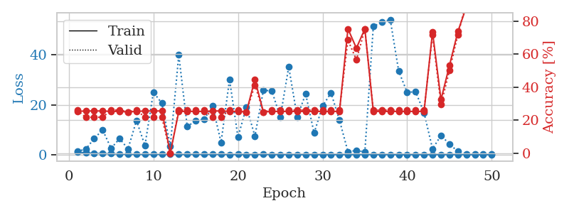

train_loss | valid_loss | train_accuracy | valid_accuracy | dur | train_misclass | valid_misclass
1.0325504697 | 1.3906843973 | 0.2527173913 | 0.26086956522 | 0.086809873581 | 25.27173913 | 26.086956522
0.6922392288 | 2.1157983593 | 0.25543478261 | 0.21739130435 | 0.085178852081 | 25.543478261 | 21.739130435
0.52575108862 | 6.500578901 | 0.25543478261 | 0.21739130435 | 0.085323810577 | 25.543478261 | 21.739130435
0.38715369157 | 9.8995224082 | 0.25543478261 | 0.21739130435 | 0.087918519974 | 25.543478261 | 21.739130435
0.37345362633 | 2.5126591973 | 0.2527173913 | 0.26086956522 | 0.086436510086 | 25.27173913 | 26.086956522
0.24855556477 | 6.4312369512 | 0.2527173913 | 0.26086956522 | 0.086066246033 | 25.27173913 | 26.086956522
0.15255311237 | 2.323495046 | 0.25 | 0.25 | 0.085995435715 | 25 | 25
0.16676791741 | 13.663944742 | 0.2527173913 | 0.26086956522 | 0.085942029953 | 25.27173913 | 26.086956522
0.13614318415 | 3.6457145836 | 0.25543478261 | 0.21739130435 | 0.08629322052 | 25.543478261 | 21.739130435
0.14465278614 | 25.09836653 | 0.25543478261 | 0.21739130435 | 0.086460828781 | 25.543478261 | 21.739130435
0.17920920222 | 20.624189709 | 0.25543478261 | 0.21739130435 | 0.086498022079 | 25.543478261 | 21.739130435
0.15095118417 | 3.4871320517 | 0 | 0 | 0.086486339569 | 0 | 0
0.094849923747 | 40.023649962 | 0.2527173913 | 0.26086956522 | 0.086382627487 | 25.27173913 | 26.086956522
0.12312487031 | 11.214263957 | 0.2527173913 | 0.26086956522 | 0.086783647537 | 25.27173913 | 26.086956522
0.17564627666 | 13.688393842 | 0.2527173913 | 0.26086956522 | 0.086426973343 | 25.27173913 | 26.086956522
0.16032864307 | 14.190767496 | 0.2527173913 | 0.26086956522 | 0.086783409119 | 25.27173913 | 26.086956522
0.15189036055 | 19.552271221 | 0.25543478261 | 0.21739130435 | 0.086526632309 | 25.543478261 | 21.739130435
0.12918113426 | 4.9064267407 | 0.25543478261 | 0.21739130435 | 0.086550235748 | 25.543478261 | 21.739130435
0.079116829853 | 30.146000074 | 0.2527173913 | 0.26086956522 | 0.086688041687 | 25.27173913 | 26.086956522
0.089970704209 | 6.9960463358 | 0.2527173913 | 0.26086956522 | 0.086667537689 | 25.27173913 | 26.086956522
0.065821204982 | 19.144360252 | 0.25 | 0.25 | 0.086624145508 | 25 | 25
0.066089573944 | 7.4480401951 | 0.44565217391 | 0.41304347826 | 0.086428403854 | 44.565217391 | 41.304347826
0.10678475782 | 25.755505272 | 0.25 | 0.25 | 0.086597442627 | 25 | 25
0.081459989488 | 25.675430795 | 0.2527173913 | 0.26086956522 | 0.086519956589 | 25.27173913 | 26.086956522
0.043187585229 | 14.982256806 | 0.2527173913 | 0.26086956522 | 0.086630821228 | 25.27173913 | 26.086956522
0.071977776928 | 35.255782252 | 0.2527173913 | 0.26086956522 | 0.086550474167 | 25.27173913 | 26.086956522
0.044630941844 | 15.084105699 | 0.2527173913 | 0.26086956522 | 0.086879014969 | 25.27173913 | 26.086956522
0.038331575722 | 24.38951086 | 0.2527173913 | 0.26086956522 | 0.086641073227 | 25.27173913 | 26.086956522
0.036041138701 | 8.6370771242 | 0.2527173913 | 0.26086956522 | 0.086538076401 | 25.27173913 | 26.086956522
0.032098849399 | 19.542231352 | 0.2527173913 | 0.26086956522 | 0.086601734161 | 25.27173913 | 26.086956522
0.043547490323 | 24.771489268 | 0.2527173913 | 0.26086956522 | 0.086777687073 | 25.27173913 | 26.086956522
0.04807936836 | 13.817455084 | 0.2527173913 | 0.26086956522 | 0.086493968964 | 25.27173913 | 26.086956522
0.021103280086 | 1.1872096062 | 0.7527173913 | 0.6847826087 | 0.086652994156 | 75.27173913 | 68.47826087
0.047923850217 | 1.6524172866 | 0.63586956522 | 0.5652173913 | 0.087062120438 | 63.586956522 | 56.52173913
0.076065202476 | 1.080657477 | 0.7527173913 | 0.75 | 0.08681511879 | 75.27173913 | 75
0.037040728645 | 51.447068588 | 0.2527173913 | 0.26086956522 | 0.088905334473 | 25.27173913 | 26.086956522
0.029048436739 | 53.192495595 | 0.2527173913 | 0.26086956522 | 0.085478782654 | 25.27173913 | 26.086956522
0.032004682162 | 54.2392467 | 0.2527173913 | 0.26086956522 | 0.085589170456 | 25.27173913 | 26.086956522
0.02719576593 | 33.527018174 | 0.2527173913 | 0.26086956522 | 0.085679531097 | 25.27173913 | 26.086956522
0.019095683567 | 24.993085529 | 0.2527173913 | 0.26086956522 | 0.086007595062 | 25.27173913 | 26.086956522
0.027298466089 | 25.27982065 | 0.2527173913 | 0.26086956522 | 0.085979700089 | 25.27173913 | 26.086956522
0.031039888072 | 16.811755388 | 0.2527173913 | 0.26086956522 | 0.086198806763 | 25.27173913 | 26.086956522
0.027701971784 | 2.3206913264 | 0.73369565217 | 0.71739130435 | 0.086049079895 | 73.369565217 | 71.739130435
0.068380754013 | 7.6699933176 | 0.32336956522 | 0.29347826087 | 0.086279392242 | 32.336956522 | 29.347826087
0.036364712072 | 4.2853399982 | 0.52989130435 | 0.5 | 0.086135864258 | 52.989130435 | 50
0.042070636111 | 1.2245065751 | 0.73641304348 | 0.71739130435 | 0.086266994476 | 73.641304348 | 71.739130435
0.033646574932 | 0.34252490443 | 0.88586956522 | 0.91304347826 | 0.086101055145 | 88.586956522 | 91.304347826
0.015683028574 | 0.19520873639 | 0.96467391304 | 0.94565217391 | 0.086307048798 | 96.467391304 | 94.565217391
0.023378325781 | 0.13739781285 | 0.98641304348 | 0.94565217391 | 0.086400747299 | 98.641304348 | 94.565217391
0.016826607192 | 0.1069233791 | 0.99456521739 | 0.95652173913 | 0.086329936981 | 99.456521739 | 95.652173913

Best Val accuracy is 0.9565217391304348 and Best test accuracy is 0.9568965517241379

Sheet9
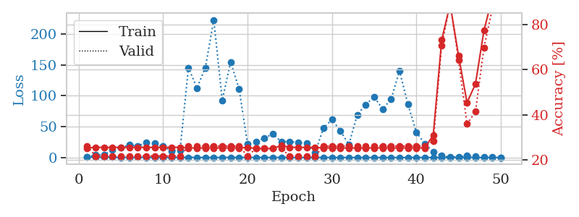
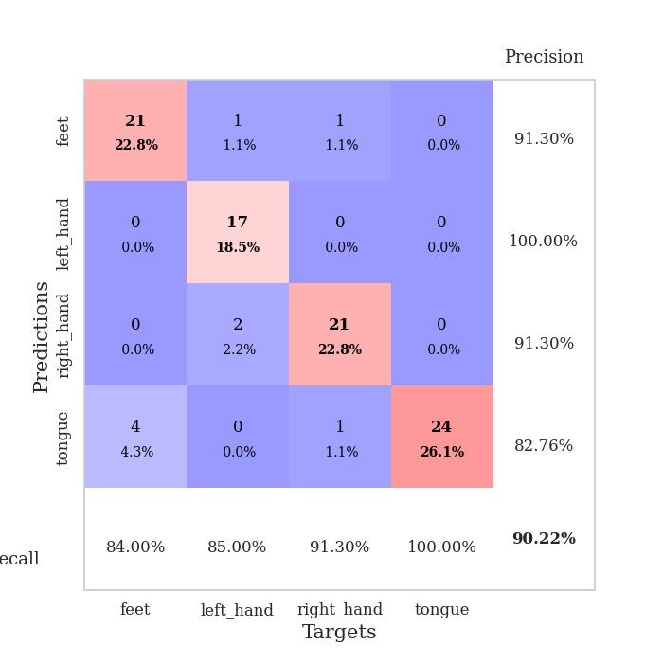
train_loss | valid_loss | train_accuracy | valid_accuracy | dur | train_misclass | valid_misclass
1.0345205017 | 1.388109627 | 0.2527173913 | 0.26086956522 | 0.086429357529 | 25.27173913 | 26.086956522
0.52579785559 | 4.0006691891 | 0.25543478261 | 0.21739130435 | 0.085882902145 | 25.543478261 | 21.739130435
0.5739130313 | 4.3335512617 | 0.25543478261 | 0.21739130435 | 0.085737943649 | 25.543478261 | 21.739130435
0.36037582256 | 12.495379572 | 0.25543478261 | 0.21739130435 | 0.086226463318 | 25.543478261 | 21.739130435
0.2466914853 | 15.996568846 | 0.25543478261 | 0.21739130435 | 0.086075305939 | 25.543478261 | 21.739130435
0.28387519409 | 20.360631777 | 0.25543478261 | 0.21739130435 | 0.086245059967 | 25.543478261 | 21.739130435
0.29586507923 | 18.538664776 | 0.25543478261 | 0.21739130435 | 0.086611509323 | 25.543478261 | 21.739130435
0.27430153658 | 24.75143756 | 0.25543478261 | 0.21739130435 | 0.086717844009 | 25.543478261 | 21.739130435
0.26156926366 | 22.608886055 | 0.25543478261 | 0.21739130435 | 0.086659908295 | 25.543478261 | 21.739130435
0.13012377254 | 18.054617426 | 0.25543478261 | 0.21739130435 | 0.086578130722 | 25.543478261 | 21.739130435
0.12526326116 | 10.643974843 | 0.25543478261 | 0.21739130435 | 0.086733579636 | 25.543478261 | 21.739130435
0.16750699606 | 11.767702144 | 0.25543478261 | 0.21739130435 | 0.08668088913 | 25.543478261 | 21.739130435
0.19090450689 | 145.56214772 | 0.2527173913 | 0.26086956522 | 0.086575984955 | 25.27173913 | 26.086956522
0.17282181095 | 112.78951098 | 0.2527173913 | 0.26086956522 | 0.086495399475 | 25.27173913 | 26.086956522
0.097953232678 | 145.43602122 | 0.2527173913 | 0.26086956522 | 0.086756229401 | 25.27173913 | 26.086956522
0.085961005104 | 223.04414235 | 0.2527173913 | 0.26086956522 | 0.086774349213 | 25.27173913 | 26.086956522
0.079149575484 | 92.854742962 | 0.2527173913 | 0.26086956522 | 0.086717128754 | 25.27173913 | 26.086956522
0.1906086701 | 154.86830736 | 0.2527173913 | 0.26086956522 | 0.086527824402 | 25.27173913 | 26.086956522
0.11007157137 | 110.94655875 | 0.2527173913 | 0.26086956522 | 0.086523294449 | 25.27173913 | 26.086956522
0.15066149174 | 21.679079139 | 0.25543478261 | 0.21739130435 | 0.086602926254 | 25.543478261 | 21.739130435
0.10389426442 | 25.031717052 | 0.25 | 0.25 | 0.08687210083 | 25 | 25
0.056957216923 | 31.861013578 | 0.25 | 0.25 | 0.087139129639 | 25 | 25
0.060306645656 | 37.960783585 | 0.25 | 0.25 | 0.086900234222 | 25 | 25
0.059302359172 | 25.664224127 | 0.26358695652 | 0.25 | 0.08690237999 | 26.358695652 | 25
0.048740167424 | 25.872489597 | 0.25543478261 | 0.21739130435 | 0.086489200592 | 25.543478261 | 21.739130435
0.045298857493 | 24.030244827 | 0.25543478261 | 0.21739130435 | 0.086505651474 | 25.543478261 | 21.739130435
0.078505188148 | 23.532650574 | 0.25543478261 | 0.21739130435 | 0.086764097214 | 25.543478261 | 21.739130435
0.064876592445 | 7.5467857693 | 0.25543478261 | 0.21739130435 | 0.086574077606 | 25.543478261 | 21.739130435
0.039455071557 | 47.961169699 | 0.2527173913 | 0.26086956522 | 0.086381196976 | 25.27173913 | 26.086956522
0.051123352468 | 61.678935839 | 0.2527173913 | 0.26086956522 | 0.086105585098 | 25.27173913 | 26.086956522
0.03463699592 | 42.986266758 | 0.2527173913 | 0.26086956522 | 0.086556911469 | 25.27173913 | 26.086956522
0.061570243535 | 21.179264483 | 0.2527173913 | 0.26086956522 | 0.086846590042 | 25.27173913 | 26.086956522
0.027345879145 | 69.154754639 | 0.2527173913 | 0.26086956522 | 0.086733341217 | 25.27173913 | 26.086956522
0.038271596406 | 85.716812134 | 0.2527173913 | 0.26086956522 | 0.086633682251 | 25.27173913 | 26.086956522
0.028027882096 | 98.24586321 | 0.2527173913 | 0.26086956522 | 0.086832284927 | 25.27173913 | 26.086956522
0.038867681228 | 78.551299054 | 0.2527173913 | 0.26086956522 | 0.086951255798 | 25.27173913 | 26.086956522
0.021821030122 | 94.181012029 | 0.2527173913 | 0.26086956522 | 0.086620092392 | 25.27173913 | 26.086956522
0.043814905567 | 140.47521906 | 0.2527173913 | 0.26086956522 | 0.086734056473 | 25.27173913 | 26.086956522
0.027889404572 | 86.413858497 | 0.2527173913 | 0.26086956522 | 0.086642503738 | 25.27173913 | 26.086956522
0.062258845604 | 40.737687982 | 0.2527173913 | 0.26086956522 | 0.08686208725 | 25.27173913 | 26.086956522
0.020029427281 | 22.397962487 | 0.2527173913 | 0.26086956522 | 0.086615800858 | 25.27173913 | 26.086956522
0.017660190256 | 9.3844545199 | 0.3097826087 | 0.28260869565 | 0.086741447449 | 30.97826087 | 28.260869565
0.025437717219 | 2.9621407986 | 0.73097826087 | 0.70652173913 | 0.086704730988 | 73.097826087 | 70.652173913
0.03608949301 | 0.33503760203 | 0.88858695652 | 0.89130434783 | 0.08668923378 | 88.858695652 | 89.130434783
0.034266147056 | 1.0159597915 | 0.66032608696 | 0.64130434783 | 0.086737632751 | 66.032608696 | 64.130434783
0.056546549628 | 2.7756447792 | 0.45380434783 | 0.35869565217 | 0.086539268494 | 45.380434783 | 35.869565217
0.015559816017 | 2.1929478593 | 0.53532608696 | 0.41304347826 | 0.086799144745 | 53.532608696 | 41.304347826
0.019657089054 | 0.93652021626 | 0.77173913043 | 0.69565217391 | 0.086794614792 | 77.173913043 | 69.565217391
0.018743219299 | 0.38579351876 | 0.91847826087 | 0.86956521739 | 0.086596488953 | 91.847826087 | 86.956521739
0.026121543357 | 0.20550570605 | 0.96467391304 | 0.90217391304 | 0.086640357971 | 96.467391304 | 90.217391304

Best Val accuracy is 0.9021739130434783 and Best test accuracy is 0.896551724137931

Sheet10
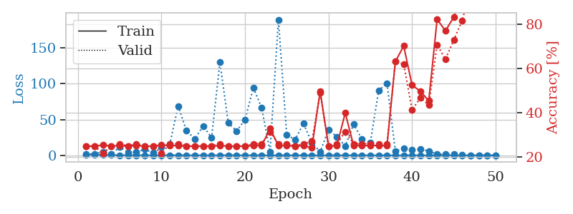
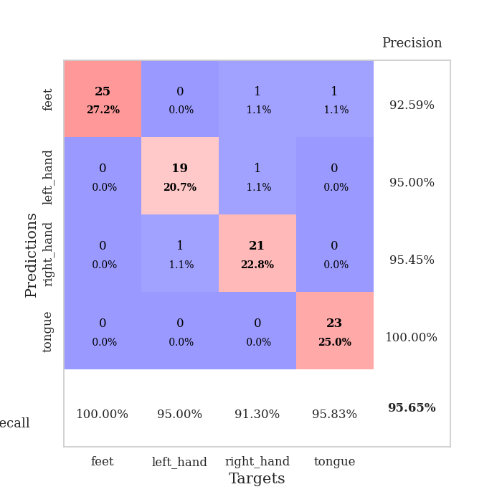
train_loss | valid_loss | train_accuracy | valid_accuracy | dur | train_misclass | valid_misclass
1.2312195482 | 1.3911280839 | 0.25 | 0.25 | 0.087364196777 | 25 | 25
0.7534395236 | 2.1121160207 | 0.25 | 0.25 | 0.085815429688 | 25 | 25
0.49231095742 | 4.7986298644 | 0.25543478261 | 0.21739130435 | 0.08654999733 | 25.543478261 | 21.739130435
0.29692947913 | 1.5423202359 | 0.25 | 0.25 | 0.086208343506 | 25 | 25
0.2422313112 | 11.642786855 | 0.2527173913 | 0.26086956522 | 0.086114168167 | 25.27173913 | 26.086956522
0.18280817034 | 4.1946272332 | 0.25 | 0.25 | 0.086715698242 | 25 | 25
0.19462747143 | 4.6713549262 | 0.2527173913 | 0.26086956522 | 0.086502075195 | 25.27173913 | 26.086956522
0.12646239225 | 8.2921568 | 0.25 | 0.25 | 0.086755514145 | 25 | 25
0.092443339689 | 3.4878304005 | 0.25 | 0.25 | 0.086688995361 | 25 | 25
0.095455854706 | 11.400830932 | 0.25543478261 | 0.21739130435 | 0.085938692093 | 25.543478261 | 21.739130435
0.17107207478 | 15.934637194 | 0.2527173913 | 0.26086956522 | 0.086131811142 | 25.27173913 | 26.086956522
0.18231490971 | 68.710091466 | 0.2527173913 | 0.26086956522 | 0.088035821915 | 25.27173913 | 26.086956522
0.1420364354 | 34.135962279 | 0.25 | 0.25 | 0.085640192032 | 25 | 25
0.13005508331 | 23.121732961 | 0.25 | 0.25 | 0.084952831268 | 25 | 25
0.12047359163 | 41.090557928 | 0.25 | 0.25 | 0.088407993317 | 25 | 25
0.071689570464 | 24.436605371 | 0.25 | 0.25 | 0.085983753204 | 25 | 25
0.10310206752 | 130.24261839 | 0.2527173913 | 0.26086956522 | 0.086223125458 | 25.27173913 | 26.086956522
0.17290772126 | 45.093696263 | 0.25 | 0.25 | 0.086334466934 | 25 | 25
0.13004762548 | 34.082485199 | 0.25 | 0.25 | 0.086495637894 | 25 | 25
0.040240139807 | 49.592576898 | 0.25 | 0.25 | 0.086425304413 | 25 | 25
0.076667407001 | 94.323618682 | 0.2527173913 | 0.26086956522 | 0.086370706558 | 25.27173913 | 26.086956522
0.041362796021 | 66.19519723 | 0.2527173913 | 0.26086956522 | 0.086477041245 | 25.27173913 | 26.086956522
0.051592575277 | 5.0001003328 | 0.32880434783 | 0.3152173913 | 0.086322069168 | 32.880434783 | 31.52173913
0.064599755294 | 189.52305205 | 0.2527173913 | 0.26086956522 | 0.086722373962 | 25.27173913 | 26.086956522
0.040001835269 | 28.413015283 | 0.2527173913 | 0.26086956522 | 0.086653709412 | 25.27173913 | 26.086956522
0.048285131835 | 21.872131679 | 0.25 | 0.25 | 0.086312055588 | 25 | 25
0.051860857487 | 44.452730759 | 0.2527173913 | 0.26086956522 | 0.086325883865 | 25.27173913 | 26.086956522
0.041950629836 | 17.909899421 | 0.24184782609 | 0.27173913043 | 0.086469650269 | 24.184782609 | 27.173913043
0.046624735167 | 4.85713258 | 0.4972826087 | 0.48913043478 | 0.086508274078 | 49.72826087 | 48.913043478
0.033428965632 | 35.96205927 | 0.25 | 0.25 | 0.086728572845 | 25 | 25
0.056304926923 | 26.001324198 | 0.2527173913 | 0.26086956522 | 0.086786031723 | 25.27173913 | 26.086956522
0.033009515367 | 12.965997986 | 0.39945652174 | 0.3152173913 | 0.086683750153 | 39.945652174 | 31.52173913
0.041602693835 | 43.251888275 | 0.2527173913 | 0.26086956522 | 0.086758852005 | 25.27173913 | 26.086956522
0.025573351686 | 22.970331192 | 0.2527173913 | 0.26086956522 | 0.086346149445 | 25.27173913 | 26.086956522
0.016799742123 | 17.86778479 | 0.2527173913 | 0.26086956522 | 0.086195707321 | 25.27173913 | 26.086956522
0.03360614048 | 90.475770702 | 0.2527173913 | 0.26086956522 | 0.086077690125 | 25.27173913 | 26.086956522
0.03332283013 | 100.72318168 | 0.2527173913 | 0.26086956522 | 0.086359977722 | 25.27173913 | 26.086956522
0.021301294323 | 5.8554583632 | 0.63043478261 | 0.63043478261 | 0.085998296738 | 63.043478261 | 63.043478261
0.013643289233 | 9.654224064 | 0.70108695652 | 0.61956521739 | 0.087957143784 | 70.108695652 | 61.956521739
0.033111280497 | 7.8795979956 | 0.52445652174 | 0.41304347826 | 0.087179899216 | 52.445652174 | 41.304347826
0.024158695565 | 8.7384457381 | 0.4972826087 | 0.46739130435 | 0.086971998215 | 49.72826087 | 46.739130435
0.017632483287 | 5.9389067733 | 0.45380434783 | 0.4347826087 | 0.086430072784 | 45.380434783 | 43.47826087
0.014690619885 | 1.561867377 | 0.82065217391 | 0.70652173913 | 0.087029218674 | 82.065217391 | 70.652173913
0.031152769993 | 1.8083851959 | 0.76902173913 | 0.64130434783 | 0.087565660477 | 76.902173913 | 64.130434783
0.02323318361 | 1.5105540623 | 0.83152173913 | 0.72826086957 | 0.086844921112 | 83.152173913 | 72.826086957
0.019175833949 | 0.57533061666 | 0.9375 | 0.8152173913 | 0.087123394012 | 93.75 | 81.52173913
0.0087941627236 | 0.1603241131 | 1 | 0.95652173913 | 0.086975574493 | 100 | 95.652173913
0.013890892444 | 0.15435276727 | 1 | 0.95652173913 | 0.087064027786 | 100 | 95.652173913
0.035269002585 | 0.14031618983 | 1 | 0.95652173913 | 0.086974620819 | 100 | 95.652173913
0.012154541171 | 0.13392382033 | 1 | 0.95652173913 | 0.086805820465 | 100 | 95.652173913

Best Val accuracy is 0.9565217391304348 and Best test accuracy is 0.9568965517241379

