Sheet
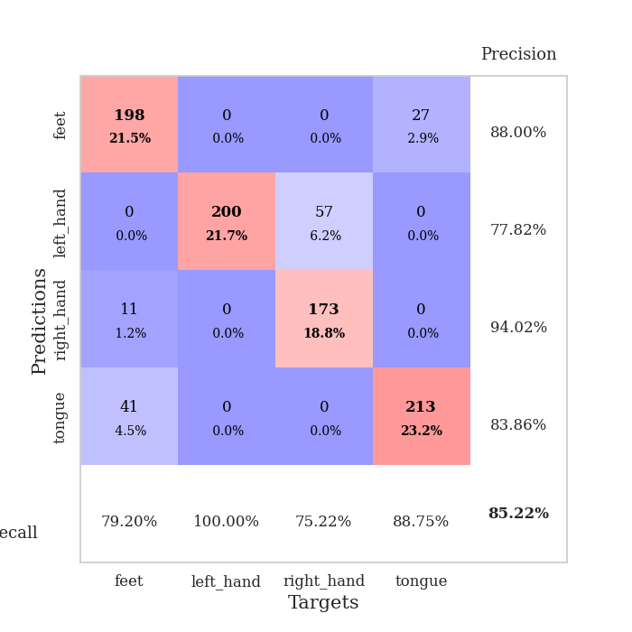
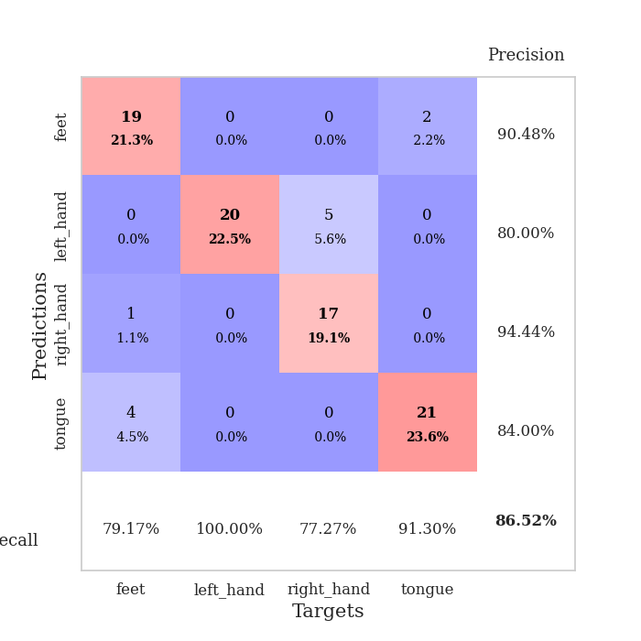
best_val_acc | best_val_los | best_test_acc
0.98913043478 | 0.05316623851 | 0.95689655172
1 | 0.032102683762 | 0.93103448276
0.65217391304 | 1.3681986125 | 0.70689655172
0.80434782609 | 0.61342606078 | 0.75
0.88043478261 | 0.24614947969 | 0.8275862069
0.55434782609 | 1.4452352472 | 0.56896551724
0.85869565217 | 0.42615414573 | 0.84482758621
0.89130434783 | 0.21456990067 | 0.93965517241
0.90217391304 | 0.17814698362 | 0.87068965517
0.98913043478 | 0.075109164676 | 0.90517241379

Mean,std Val accuracy is 0.8521739130434783 , 0.14728160596482018 and mean, std test accuracy is 0.8301724137931036 , 0.12272840150673545

Sheet1
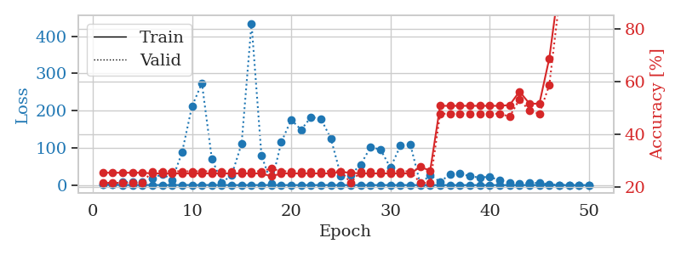
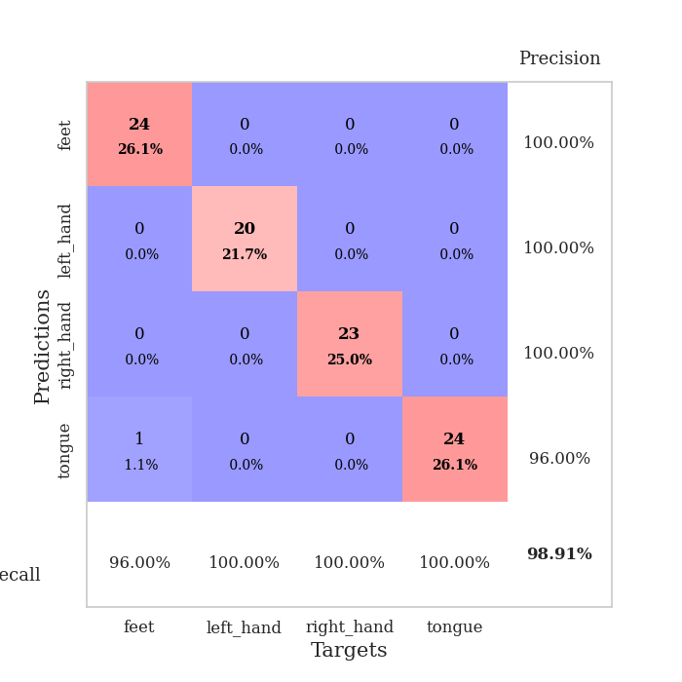
train_loss | valid_loss | train_accuracy | valid_accuracy | dur | train_misclass | valid_misclass
1.1221607327 | 1.9163603213 | 0.25543478261 | 0.21739130435 | 0.085893154144 | 25.543478261 | 21.739130435
0.69639941013 | 2.1732285541 | 0.25543478261 | 0.21739130435 | 0.088004827499 | 25.543478261 | 21.739130435
0.43413236349 | 7.7160680605 | 0.25543478261 | 0.21739130435 | 0.08722782135 | 25.543478261 | 21.739130435
0.30071067778 | 9.5989704961 | 0.25543478261 | 0.21739130435 | 0.08628821373 | 25.543478261 | 21.739130435
0.4111503097 | 7.5110377021 | 0.25543478261 | 0.21739130435 | 0.086378574371 | 25.543478261 | 21.739130435
0.2876419574 | 17.131601334 | 0.2527173913 | 0.26086956522 | 0.085921287537 | 25.27173913 | 26.086956522
0.18903165092 | 29.92915676 | 0.2527173913 | 0.26086956522 | 0.085803508759 | 25.27173913 | 26.086956522
0.20516558413 | 14.253767801 | 0.2527173913 | 0.26086956522 | 0.085515737534 | 25.27173913 | 26.086956522
0.29466823148 | 87.645788773 | 0.2527173913 | 0.26086956522 | 0.086311101913 | 25.27173913 | 26.086956522
0.31767804629 | 211.33776855 | 0.2527173913 | 0.26086956522 | 0.085987091064 | 25.27173913 | 26.086956522
0.31147896984 | 273.92377638 | 0.2527173913 | 0.26086956522 | 0.086313009262 | 25.27173913 | 26.086956522
0.30671973089 | 70.960744443 | 0.2527173913 | 0.26086956522 | 0.086175441742 | 25.27173913 | 26.086956522
0.21013013403 | 6.8205994523 | 0.2527173913 | 0.26086956522 | 0.086109638214 | 25.27173913 | 26.086956522
0.11302577619 | 26.416210755 | 0.2527173913 | 0.26086956522 | 0.086262464523 | 25.27173913 | 26.086956522
0.12667322552 | 111.23800891 | 0.2527173913 | 0.26086956522 | 0.086389064789 | 25.27173913 | 26.086956522
0.15102432198 | 434.48128078 | 0.2527173913 | 0.26086956522 | 0.086470127106 | 25.27173913 | 26.086956522
0.1720695365 | 79.495566658 | 0.2527173913 | 0.26086956522 | 0.086144924164 | 25.27173913 | 26.086956522
0.12932932215 | 4.8799091215 | 0.24184782609 | 0.27173913043 | 0.086305856705 | 24.184782609 | 27.173913043
0.0831511986 | 115.44576894 | 0.2527173913 | 0.26086956522 | 0.086203813553 | 25.27173913 | 26.086956522
0.087545755582 | 175.39184836 | 0.2527173913 | 0.26086956522 | 0.086219549179 | 25.27173913 | 26.086956522
0.085523828216 | 148.84260294 | 0.2527173913 | 0.26086956522 | 0.086143255234 | 25.27173913 | 26.086956522
0.10665193103 | 182.74984542 | 0.2527173913 | 0.26086956522 | 0.086273908615 | 25.27173913 | 26.086956522
0.066333113861 | 177.93784764 | 0.2527173913 | 0.26086956522 | 0.086071252823 | 25.27173913 | 26.086956522
0.065576516821 | 124.42885291 | 0.2527173913 | 0.26086956522 | 0.086398839951 | 25.27173913 | 26.086956522
0.05131122564 | 25.397810314 | 0.25815217391 | 0.26086956522 | 0.089077949524 | 25.815217391 | 26.086956522
0.054991680795 | 27.918137924 | 0.25543478261 | 0.21739130435 | 0.086044311523 | 25.543478261 | 21.739130435
0.03966283448 | 55.123664027 | 0.2527173913 | 0.26086956522 | 0.086047410965 | 25.27173913 | 26.086956522
0.073932545168 | 102.43967471 | 0.2527173913 | 0.26086956522 | 0.086082458496 | 25.27173913 | 26.086956522
0.079172278071 | 95.184183204 | 0.2527173913 | 0.26086956522 | 0.086181402206 | 25.27173913 | 26.086956522
0.12136228866 | 46.774805318 | 0.2527173913 | 0.26086956522 | 0.086038827896 | 25.27173913 | 26.086956522
0.14016673638 | 105.69629138 | 0.2527173913 | 0.26086956522 | 0.086201429367 | 25.27173913 | 26.086956522
0.062632576697 | 109.62476614 | 0.2527173913 | 0.26086956522 | 0.086103916168 | 25.27173913 | 26.086956522
0.088318248001 | 2.8470288152 | 0.27717391304 | 0.21739130435 | 0.086122512817 | 27.717391304 | 21.739130435
0.03824601737 | 27.389930725 | 0.26358695652 | 0.21739130435 | 0.086120605469 | 26.358695652 | 21.739130435
0.041291252857 | 8.4703928077 | 0.50815217391 | 0.47826086957 | 0.086091518402 | 50.815217391 | 47.826086957
0.024171658247 | 29.227862897 | 0.50815217391 | 0.47826086957 | 0.086237430573 | 50.815217391 | 47.826086957
0.02870135941 | 31.851435288 | 0.50815217391 | 0.47826086957 | 0.08603143692 | 50.815217391 | 47.826086957
0.025899669998 | 23.44206329 | 0.50815217391 | 0.47826086957 | 0.086347103119 | 50.815217391 | 47.826086957
0.023309480201 | 20.398413948 | 0.50815217391 | 0.47826086957 | 0.086055994034 | 50.815217391 | 47.826086957
0.063993318897 | 22.578149878 | 0.50815217391 | 0.47826086957 | 0.086873292923 | 50.815217391 | 47.826086957
0.037913757662 | 12.120701334 | 0.50815217391 | 0.47826086957 | 0.084711074829 | 50.815217391 | 47.826086957
0.019354541338 | 7.1499085634 | 0.51086956522 | 0.46739130435 | 0.084874153137 | 51.086956522 | 46.739130435
0.019194145786 | 3.6350796534 | 0.5625 | 0.53260869565 | 0.084798812866 | 56.25 | 53.260869565
0.027105172408 | 5.1653444663 | 0.51630434783 | 0.48913043478 | 0.085390806198 | 51.630434783 | 48.913043478
0.018577344204 | 5.908506269 | 0.51630434783 | 0.47826086957 | 0.084584951401 | 51.630434783 | 47.826086957
0.015906236782 | 1.9608368355 | 0.6875 | 0.58695652174 | 0.088166475296 | 68.75 | 58.695652174
0.020280533551 | 0.24974838806 | 0.97010869565 | 0.90217391304 | 0.091370344162 | 97.010869565 | 90.217391304
0.035476186945 | 0.11976450082 | 0.99184782609 | 0.9347826087 | 0.087911128998 | 99.184782609 | 93.47826087
0.016357153892 | 0.07259132875 | 1 | 0.97826086957 | 0.084969997406 | 100 | 97.826086957
0.013253880166 | 0.05316623851 | 1 | 0.98913043478 | 0.084485769272 | 100 | 98.913043478

Best Val accuracy is 0.9891304347826086 and Best test accuracy is 0.9568965517241379

Sheet2
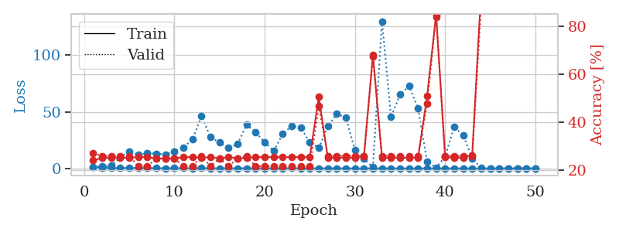
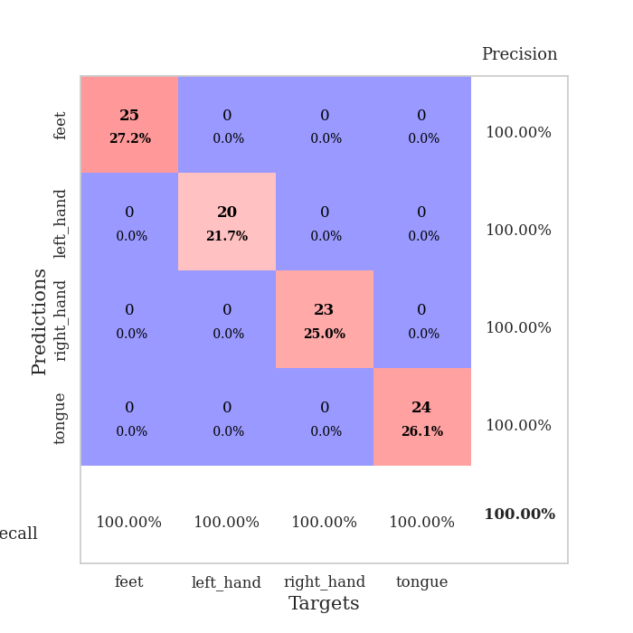
train_loss | valid_loss | train_accuracy | valid_accuracy | dur | train_misclass | valid_misclass
1.1091114464 | 1.3853522798 | 0.24184782609 | 0.27173913043 | 0.085570573807 | 24.184782609 | 27.173913043
0.70071308639 | 1.9365242253 | 0.2527173913 | 0.26086956522 | 0.084231853485 | 25.27173913 | 26.086956522
0.37378168948 | 2.2967250762 | 0.2527173913 | 0.26086956522 | 0.083908081055 | 25.27173913 | 26.086956522
0.26897588988 | 9.9526636704 | 0.2527173913 | 0.26086956522 | 0.084530830383 | 25.27173913 | 26.086956522
0.44630677123 | 14.875099307 | 0.2527173913 | 0.26086956522 | 0.084758520126 | 25.27173913 | 26.086956522
0.32663339053 | 12.002519483 | 0.25543478261 | 0.21739130435 | 0.084697723389 | 25.543478261 | 21.739130435
0.24809226596 | 13.336167004 | 0.25543478261 | 0.21739130435 | 0.085027217865 | 25.543478261 | 21.739130435
0.18303645354 | 13.071688901 | 0.25 | 0.25 | 0.085502386093 | 25 | 25
0.16171663894 | 12.282257744 | 0.25 | 0.25 | 0.084735155106 | 25 | 25
0.20292619964 | 15.207964275 | 0.25 | 0.25 | 0.084951162338 | 25 | 25
0.19034661709 | 18.611492655 | 0.25543478261 | 0.21739130435 | 0.085039377213 | 25.543478261 | 21.739130435
0.15191617341 | 25.508919094 | 0.25543478261 | 0.21739130435 | 0.085010766983 | 25.543478261 | 21.739130435
0.2440352797 | 46.159954569 | 0.2527173913 | 0.26086956522 | 0.085063695908 | 25.27173913 | 26.086956522
0.14625310687 | 27.726496489 | 0.25543478261 | 0.21739130435 | 0.085359811783 | 25.543478261 | 21.739130435
0.1093593305 | 22.880453441 | 0.25 | 0.25 | 0.085362195969 | 25 | 25
0.091435050349 | 18.119463713 | 0.25543478261 | 0.21739130435 | 0.085307359695 | 25.543478261 | 21.739130435
0.13482208281 | 21.453306447 | 0.25 | 0.25 | 0.085405111313 | 25 | 25
0.15692105663 | 38.792287412 | 0.2527173913 | 0.26086956522 | 0.084993839264 | 25.27173913 | 26.086956522
0.10968623118 | 31.805921969 | 0.25543478261 | 0.21739130435 | 0.084895610809 | 25.543478261 | 21.739130435
0.091172222595 | 23.213802752 | 0.25543478261 | 0.21739130435 | 0.084949016571 | 25.543478261 | 21.739130435
0.1134640921 | 15.317771165 | 0.25543478261 | 0.21739130435 | 0.085093736649 | 25.543478261 | 21.739130435
0.12177404464 | 30.424601679 | 0.25543478261 | 0.21739130435 | 0.085533618927 | 25.543478261 | 21.739130435
0.19650223977 | 37.399094955 | 0.25543478261 | 0.21739130435 | 0.08508515358 | 25.543478261 | 21.739130435
0.076379171573 | 36.322210395 | 0.25543478261 | 0.21739130435 | 0.085063934326 | 25.543478261 | 21.739130435
0.087621159062 | 22.725462126 | 0.25543478261 | 0.21739130435 | 0.085476398468 | 25.543478261 | 21.739130435
0.10285283871 | 18.072541112 | 0.50543478261 | 0.46739130435 | 0.084892988205 | 50.543478261 | 46.739130435
0.051673413416 | 37.186976723 | 0.2527173913 | 0.26086956522 | 0.084979295731 | 25.27173913 | 26.086956522
0.099782304595 | 48.075982965 | 0.2527173913 | 0.26086956522 | 0.08510351181 | 25.27173913 | 26.086956522
0.048992597857 | 44.877266096 | 0.2527173913 | 0.26086956522 | 0.085353374481 | 25.27173913 | 26.086956522
0.030648923054 | 16.076087371 | 0.2527173913 | 0.26086956522 | 0.084977388382 | 25.27173913 | 26.086956522
0.01727820534 | 8.472959394 | 0.25815217391 | 0.26086956522 | 0.085031270981 | 25.815217391 | 26.086956522
0.052220816552 | 1.1535574509 | 0.67934782609 | 0.67391304348 | 0.085036039352 | 67.934782609 | 67.391304348
0.025321530198 | 129.97656648 | 0.2527173913 | 0.26086956522 | 0.085654973984 | 25.27173913 | 26.086956522
0.067927613212 | 45.643033235 | 0.2527173913 | 0.26086956522 | 0.085294246674 | 25.27173913 | 26.086956522
0.036746510961 | 65.198766625 | 0.2527173913 | 0.26086956522 | 0.087380409241 | 25.27173913 | 26.086956522
0.019627915754 | 72.623140418 | 0.2527173913 | 0.26086956522 | 0.085272312164 | 25.27173913 | 26.086956522
0.024126565276 | 53.079338571 | 0.2527173913 | 0.26086956522 | 0.084966182709 | 25.27173913 | 26.086956522
0.043982124472 | 6.1803398962 | 0.50815217391 | 0.47826086957 | 0.085029840469 | 50.815217391 | 47.826086957
0.069357738762 | 0.34669110956 | 0.84782608696 | 0.83695652174 | 0.085061788559 | 84.782608696 | 83.695652174
0.038668645932 | 10.624629435 | 0.25543478261 | 0.26086956522 | 0.085415124893 | 25.543478261 | 26.086956522
0.036507846125 | 36.619678 | 0.2527173913 | 0.26086956522 | 0.084879159927 | 25.27173913 | 26.086956522
0.023613565419 | 29.265288975 | 0.2527173913 | 0.26086956522 | 0.085068702698 | 25.27173913 | 26.086956522
0.019804249659 | 8.8610291688 | 0.26358695652 | 0.26086956522 | 0.084755182266 | 26.358695652 | 26.086956522
0.030662362713 | 0.25340984632 | 0.95652173913 | 0.89130434783 | 0.084809780121 | 95.652173913 | 89.130434783
0.027185988518 | 0.15249140755 | 0.98641304348 | 0.94565217391 | 0.085204362869 | 98.641304348 | 94.565217391
0.093300434394 | 0.03540004636 | 1 | 1 | 0.08524107933 | 100 | 100
0.022371134255 | 0.032102683762 | 1 | 1 | 0.085684776306 | 100 | 100
0.03427970991 | 0.077518871621 | 0.99456521739 | 0.97826086957 | 0.084987163544 | 99.456521739 | 97.826086957
0.020448605214 | 0.056606145333 | 0.9972826087 | 0.98913043478 | 0.084949970245 | 99.72826087 | 98.913043478
0.025701733074 | 0.041218491028 | 1 | 0.98913043478 | 0.084636926651 | 100 | 98.913043478

Best Val accuracy is 1.0 and Best test accuracy is 0.9310344827586207

Sheet3
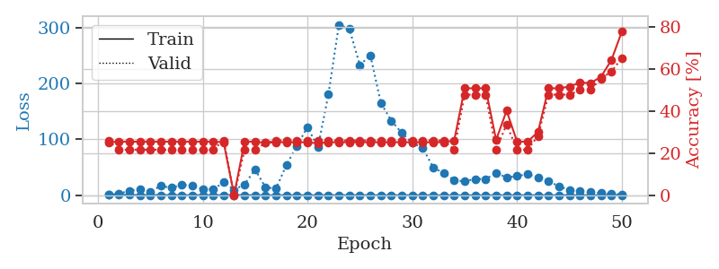
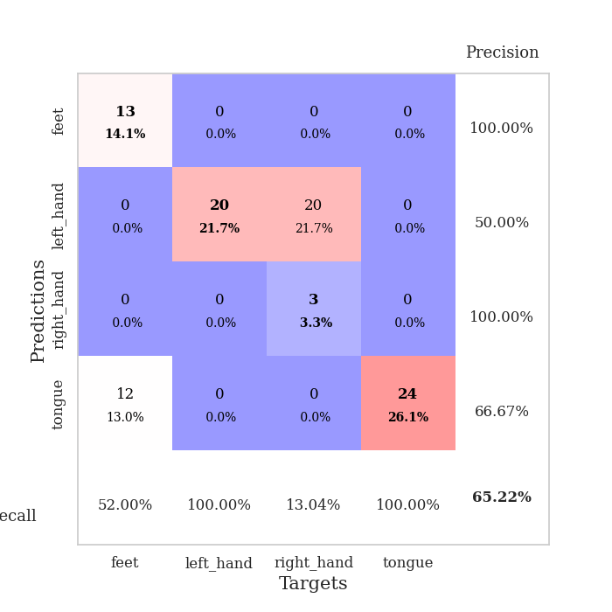
train_loss | valid_loss | train_accuracy | valid_accuracy | dur | train_misclass | valid_misclass
1.1359630408 | 1.3835122533 | 0.2527173913 | 0.26086956522 | 0.085264921188 | 25.27173913 | 26.086956522
0.79523844434 | 2.2066287269 | 0.25543478261 | 0.21739130435 | 0.083889484406 | 25.543478261 | 21.739130435
0.51995664511 | 8.4100696315 | 0.25543478261 | 0.21739130435 | 0.083573102951 | 25.543478261 | 21.739130435
0.35010288721 | 11.074454556 | 0.25543478261 | 0.21739130435 | 0.084142446518 | 25.543478261 | 21.739130435
0.36308012903 | 6.6496067876 | 0.25543478261 | 0.21739130435 | 0.084569215775 | 25.543478261 | 21.739130435
0.31594983002 | 16.831614536 | 0.25543478261 | 0.21739130435 | 0.084660768509 | 25.543478261 | 21.739130435
0.29600635738 | 13.300612201 | 0.25543478261 | 0.21739130435 | 0.08518409729 | 25.543478261 | 21.739130435
0.17465471865 | 18.640370991 | 0.25543478261 | 0.21739130435 | 0.085373401642 | 25.543478261 | 21.739130435
0.16755301181 | 17.303896033 | 0.25543478261 | 0.21739130435 | 0.085073471069 | 25.543478261 | 21.739130435
0.28398401549 | 11.06564215 | 0.25543478261 | 0.21739130435 | 0.084808111191 | 25.543478261 | 21.739130435
0.21534455859 | 10.274186383 | 0.25543478261 | 0.21739130435 | 0.084565877914 | 25.543478261 | 21.739130435
0.24891624705 | 23.157270432 | 0.2527173913 | 0.26086956522 | 0.087563037872 | 25.27173913 | 26.086956522
0.27317192802 | 9.6925166586 | 0.0027173913043 | 0 | 0.086320877075 | 0.27173913043 | 0
0.21633520609 | 19.672049149 | 0.25543478261 | 0.21739130435 | 0.086315155029 | 25.543478261 | 21.739130435
0.20202760487 | 45.850617948 | 0.25543478261 | 0.21739130435 | 0.08615064621 | 25.543478261 | 21.739130435
0.085252340033 | 14.130336927 | 0.25 | 0.25 | 0.086149454117 | 25 | 25
0.10423323431 | 11.944421685 | 0.2527173913 | 0.26086956522 | 0.086228370667 | 25.27173913 | 26.086956522
0.089497010082 | 54.72567749 | 0.2527173913 | 0.26086956522 | 0.08630156517 | 25.27173913 | 26.086956522
0.11340707379 | 88.563182002 | 0.2527173913 | 0.26086956522 | 0.086233854294 | 25.27173913 | 26.086956522
0.11573546598 | 122.28184343 | 0.2527173913 | 0.26086956522 | 0.086133241653 | 25.27173913 | 26.086956522
0.086035362101 | 85.648426885 | 0.2472826087 | 0.26086956522 | 0.087063312531 | 24.72826087 | 26.086956522
0.12781854747 | 180.90964143 | 0.2527173913 | 0.26086956522 | 0.10007572174 | 25.27173913 | 26.086956522
0.12369217118 | 305.49382749 | 0.2527173913 | 0.26086956522 | 0.088991880417 | 25.27173913 | 26.086956522
0.10166487065 | 297.65690679 | 0.2527173913 | 0.26086956522 | 0.086741924286 | 25.27173913 | 26.086956522
0.082118747857 | 232.98765697 | 0.2527173913 | 0.26086956522 | 0.086102962494 | 25.27173913 | 26.086956522
0.10197754537 | 250.90222765 | 0.2527173913 | 0.26086956522 | 0.086474895477 | 25.27173913 | 26.086956522
0.090351765894 | 165.23656231 | 0.2527173913 | 0.26086956522 | 0.083959102631 | 25.27173913 | 26.086956522
0.085515201173 | 133.67030401 | 0.2527173913 | 0.26086956522 | 0.083872795105 | 25.27173913 | 26.086956522
0.077055504789 | 111.55127351 | 0.2527173913 | 0.26086956522 | 0.083969593048 | 25.27173913 | 26.086956522
0.10465731749 | 93.70349884 | 0.2527173913 | 0.26086956522 | 0.084443807602 | 25.27173913 | 26.086956522
0.087157167525 | 84.685043003 | 0.2527173913 | 0.26086956522 | 0.08448767662 | 25.27173913 | 26.086956522
0.054598048269 | 49.566982933 | 0.2527173913 | 0.26086956522 | 0.084622621536 | 25.27173913 | 26.086956522
0.033948034342 | 39.655513763 | 0.2527173913 | 0.26086956522 | 0.08473277092 | 25.27173913 | 26.086956522
0.054289661743 | 27.066811603 | 0.26086956522 | 0.21739130435 | 0.084499359131 | 26.086956522 | 21.739130435
0.04389370388 | 24.6966532 | 0.50815217391 | 0.47826086957 | 0.084497451782 | 50.815217391 | 47.826086957
0.027975320364 | 29.302900729 | 0.50815217391 | 0.47826086957 | 0.084895372391 | 50.815217391 | 47.826086957
0.027483940018 | 28.975331845 | 0.50815217391 | 0.47826086957 | 0.084543228149 | 50.815217391 | 47.826086957
0.043238449406 | 40.172170059 | 0.26358695652 | 0.21739130435 | 0.085099458694 | 26.358695652 | 21.739130435
0.036758505557 | 31.695333895 | 0.40217391304 | 0.33695652174 | 0.084464073181 | 40.217391304 | 33.695652174
0.02957876348 | 34.559712783 | 0.25543478261 | 0.21739130435 | 0.084605932236 | 25.543478261 | 21.739130435
0.059553838545 | 37.437337958 | 0.25543478261 | 0.21739130435 | 0.084499835968 | 25.543478261 | 21.739130435
0.031343680574 | 32.345440077 | 0.30163043478 | 0.28260869565 | 0.084413528442 | 30.163043478 | 28.260869565
0.051434758828 | 25.228597558 | 0.50815217391 | 0.47826086957 | 0.084572792053 | 50.815217391 | 47.826086957
0.020946375881 | 16.051463417 | 0.50815217391 | 0.47826086957 | 0.084733247757 | 50.815217391 | 47.826086957
0.032291293287 | 9.2731779762 | 0.51630434783 | 0.47826086957 | 0.084553718567 | 51.630434783 | 47.826086957
0.020183810585 | 7.0108503673 | 0.53532608696 | 0.5 | 0.08467912674 | 53.532608696 | 50
0.032590605815 | 5.4066824291 | 0.53260869565 | 0.5 | 0.084908723831 | 53.260869565 | 50
0.02618361613 | 3.7786934272 | 0.5625 | 0.55434782609 | 0.084547996521 | 56.25 | 55.434782609
0.050160779243 | 2.3295310269 | 0.64130434783 | 0.58695652174 | 0.084681987762 | 64.130434783 | 58.695652174
0.074000454498 | 1.3681986125 | 0.77717391304 | 0.65217391304 | 0.084847927094 | 77.717391304 | 65.217391304

Best Val accuracy is 0.6521739130434783 and Best test accuracy is 0.7068965517241379

Sheet4
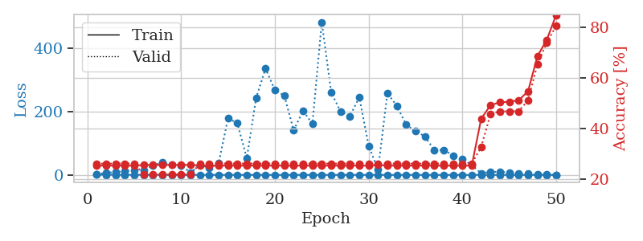
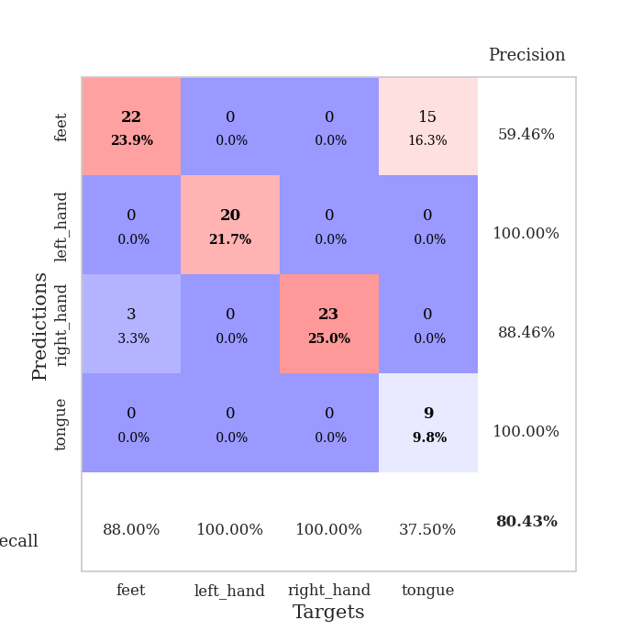
train_loss | valid_loss | train_accuracy | valid_accuracy | dur | train_misclass | valid_misclass
1.1006219335 | 1.7990000092 | 0.2527173913 | 0.26086956522 | 0.087075471878 | 25.27173913 | 26.086956522
0.58828818409 | 7.1990218784 | 0.2527173913 | 0.26086956522 | 0.084331989288 | 25.27173913 | 26.086956522
0.5399313595 | 8.4569139273 | 0.2527173913 | 0.26086956522 | 0.083950519562 | 25.27173913 | 26.086956522
0.40301393232 | 11.413828186 | 0.2527173913 | 0.26086956522 | 0.084630250931 | 25.27173913 | 26.086956522
0.35508712835 | 15.637293235 | 0.2527173913 | 0.26086956522 | 0.084739923477 | 25.27173913 | 26.086956522
0.26906727643 | 14.135982389 | 0.25543478261 | 0.21739130435 | 0.08461689949 | 25.543478261 | 21.739130435
0.36069368668 | 30.435725834 | 0.25543478261 | 0.21739130435 | 0.084448099136 | 25.543478261 | 21.739130435
0.18181961678 | 39.160066024 | 0.25543478261 | 0.21739130435 | 0.084055662155 | 25.543478261 | 21.739130435
0.23525637097 | 32.843908061 | 0.25543478261 | 0.21739130435 | 0.084261894226 | 25.543478261 | 21.739130435
0.29979242968 | 30.65275723 | 0.25543478261 | 0.21739130435 | 0.084711074829 | 25.543478261 | 21.739130435
0.21670445994 | 7.3548293114 | 0.25543478261 | 0.21739130435 | 0.084581375122 | 25.543478261 | 21.739130435
0.14320604293 | 31.942479341 | 0.2527173913 | 0.26086956522 | 0.084830522537 | 25.27173913 | 26.086956522
0.13075658007 | 21.7697768 | 0.2527173913 | 0.26086956522 | 0.085096359253 | 25.27173913 | 26.086956522
0.11072626499 | 37.378346816 | 0.2527173913 | 0.26086956522 | 0.084961891174 | 25.27173913 | 26.086956522
0.1821821777 | 179.19865019 | 0.2527173913 | 0.26086956522 | 0.085340023041 | 25.27173913 | 26.086956522
0.11464030664 | 163.01501797 | 0.2527173913 | 0.26086956522 | 0.085247516632 | 25.27173913 | 26.086956522
0.15378393156 | 52.862875731 | 0.2527173913 | 0.26086956522 | 0.085121870041 | 25.27173913 | 26.086956522
0.096099938458 | 244.02565268 | 0.2527173913 | 0.26086956522 | 0.085287332535 | 25.27173913 | 26.086956522
0.063943081915 | 335.8116548 | 0.2527173913 | 0.26086956522 | 0.084948778152 | 25.27173913 | 26.086956522
0.083064575978 | 267.92142984 | 0.2527173913 | 0.26086956522 | 0.084863424301 | 25.27173913 | 26.086956522
0.050121518272 | 250.49519414 | 0.2527173913 | 0.26086956522 | 0.084724187851 | 25.27173913 | 26.086956522
0.046900968108 | 141.00208581 | 0.2527173913 | 0.26086956522 | 0.084873914719 | 25.27173913 | 26.086956522
0.16341801036 | 202.2349608 | 0.2527173913 | 0.26086956522 | 0.084918022156 | 25.27173913 | 26.086956522
0.14683458013 | 161.77483335 | 0.2527173913 | 0.26086956522 | 0.084971904755 | 25.27173913 | 26.086956522
0.088706919954 | 482.63262011 | 0.2527173913 | 0.26086956522 | 0.085042238235 | 25.27173913 | 26.086956522
0.063028775125 | 260.95943882 | 0.2527173913 | 0.26086956522 | 0.085445404053 | 25.27173913 | 26.086956522
0.039866993011 | 200.39206331 | 0.2527173913 | 0.26086956522 | 0.084899425507 | 25.27173913 | 26.086956522
0.041789798967 | 185.53545413 | 0.2527173913 | 0.26086956522 | 0.084993600845 | 25.27173913 | 26.086956522
0.044440847295 | 245.41167483 | 0.2527173913 | 0.26086956522 | 0.084773302078 | 25.27173913 | 26.086956522
0.029050328576 | 91.898181749 | 0.2527173913 | 0.26086956522 | 0.084761857986 | 25.27173913 | 26.086956522
0.047862274177 | 16.613722138 | 0.25543478261 | 0.26086956522 | 0.084917545319 | 25.543478261 | 26.086956522
0.079598599731 | 258.6117149 | 0.2527173913 | 0.26086956522 | 0.08488702774 | 25.27173913 | 26.086956522
0.059820557312 | 218.04536969 | 0.2527173913 | 0.26086956522 | 0.084735870361 | 25.27173913 | 26.086956522
0.039435953398 | 159.03556426 | 0.2527173913 | 0.26086956522 | 0.084921598434 | 25.27173913 | 26.086956522
0.043854818479 | 137.79900659 | 0.2527173913 | 0.26086956522 | 0.084829330444 | 25.27173913 | 26.086956522
0.046759919643 | 122.21128613 | 0.2527173913 | 0.26086956522 | 0.085024118423 | 25.27173913 | 26.086956522
0.031119557958 | 77.933819646 | 0.2527173913 | 0.26086956522 | 0.08501791954 | 25.27173913 | 26.086956522
0.04403024219 | 79.119018886 | 0.2527173913 | 0.26086956522 | 0.084857940674 | 25.27173913 | 26.086956522
0.038334046633 | 61.187099291 | 0.2527173913 | 0.26086956522 | 0.084817171097 | 25.27173913 | 26.086956522
0.019993179976 | 49.548288594 | 0.2527173913 | 0.26086956522 | 0.084904670715 | 25.27173913 | 26.086956522
0.039337802122 | 31.714997084 | 0.2527173913 | 0.26086956522 | 0.08470416069 | 25.27173913 | 26.086956522
0.055484089504 | 4.731736121 | 0.4375 | 0.32608695652 | 0.084591150284 | 43.75 | 32.608695652
0.027492669619 | 9.8223825123 | 0.49184782609 | 0.45652173913 | 0.084827661514 | 49.184782609 | 45.652173913
0.040757123158 | 9.6723597568 | 0.5027173913 | 0.46739130435 | 0.084893703461 | 50.27173913 | 46.739130435
0.013469784209 | 7.3511007143 | 0.50543478261 | 0.46739130435 | 0.084791898727 | 50.543478261 | 46.739130435
0.024847192103 | 4.976833302 | 0.51086956522 | 0.46739130435 | 0.085050106049 | 51.086956522 | 46.739130435
0.047214219063 | 3.190144881 | 0.54619565217 | 0.51086956522 | 0.085258483887 | 54.619565217 | 51.086956522
0.040738681801 | 1.6322722642 | 0.6847826087 | 0.65217391304 | 0.085421800613 | 68.47826087 | 65.217391304
0.016853279419 | 1.0218035916 | 0.75 | 0.73913043478 | 0.085305929184 | 75 | 73.913043478
0.02464898541 | 0.61342606078 | 0.84782608696 | 0.80434782609 | 0.085387468338 | 84.782608696 | 80.434782609

Best Val accuracy is 0.8043478260869565 and Best test accuracy is 0.75

Sheet5
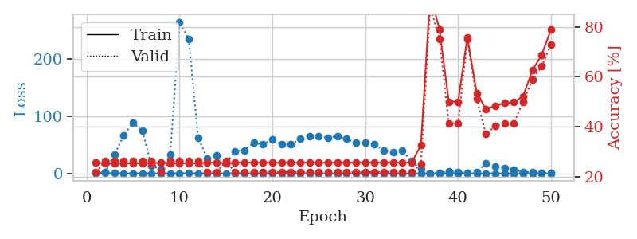
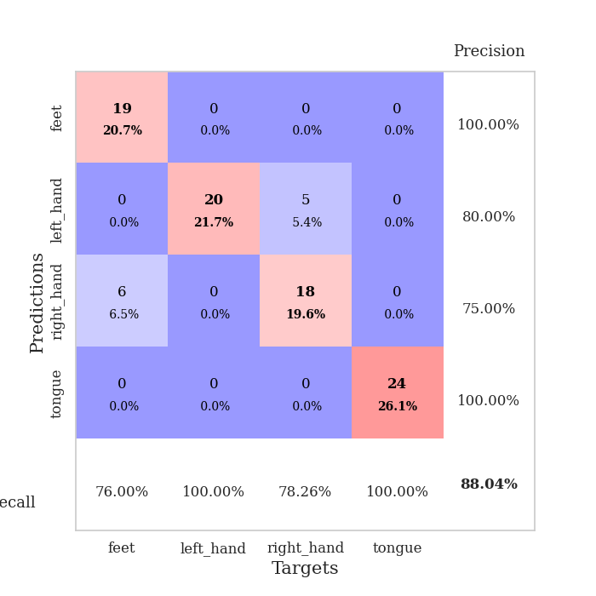
train_loss | valid_loss | train_accuracy | valid_accuracy | dur | train_misclass | valid_misclass
0.99675998869 | 1.4852433153 | 0.25543478261 | 0.21739130435 | 0.085915327072 | 25.543478261 | 21.739130435
0.67411209449 | 1.8574367813 | 0.2527173913 | 0.26086956522 | 0.083972454071 | 25.27173913 | 26.086956522
0.49294145794 | 32.785480085 | 0.2527173913 | 0.26086956522 | 0.084373235703 | 25.27173913 | 26.086956522
0.27660583575 | 66.580253269 | 0.2527173913 | 0.26086956522 | 0.084597349167 | 25.27173913 | 26.086956522
0.18166158607 | 88.619675678 | 0.2527173913 | 0.26086956522 | 0.084416627884 | 25.27173913 | 26.086956522
0.17434728704 | 74.605443872 | 0.2527173913 | 0.26086956522 | 0.084661722183 | 25.27173913 | 26.086956522
0.15783324489 | 13.088096619 | 0.2527173913 | 0.26086956522 | 0.084692716599 | 25.27173913 | 26.086956522
0.097336332678 | 7.4087048614 | 0.25543478261 | 0.21739130435 | 0.084845542908 | 25.543478261 | 21.739130435
0.17111466639 | 32.675470186 | 0.2527173913 | 0.26086956522 | 0.085040807724 | 25.27173913 | 26.086956522
0.25849009087 | 264.99683878 | 0.2527173913 | 0.26086956522 | 0.084688186646 | 25.27173913 | 26.086956522
0.36759557996 | 234.90748132 | 0.2527173913 | 0.26086956522 | 0.084842920303 | 25.27173913 | 26.086956522
0.22461819552 | 62.651734228 | 0.2527173913 | 0.26086956522 | 0.084700584412 | 25.27173913 | 26.086956522
0.12948889897 | 25.905830135 | 0.25543478261 | 0.21739130435 | 0.084985971451 | 25.543478261 | 21.739130435
0.10448987206 | 31.007990796 | 0.25543478261 | 0.21739130435 | 0.084730863571 | 25.543478261 | 21.739130435
0.086339759013 | 17.721648092 | 0.2527173913 | 0.26086956522 | 0.084703207016 | 25.27173913 | 26.086956522
0.1885897928 | 38.744817817 | 0.25543478261 | 0.21739130435 | 0.084604978561 | 25.543478261 | 21.739130435
0.18363831342 | 40.580949203 | 0.25543478261 | 0.21739130435 | 0.084699392319 | 25.543478261 | 21.739130435
0.20547083927 | 53.916159091 | 0.25543478261 | 0.21739130435 | 0.084626197815 | 25.543478261 | 21.739130435
0.17405554737 | 51.166039342 | 0.25543478261 | 0.21739130435 | 0.08470249176 | 25.543478261 | 21.739130435
0.11314298237 | 59.291788516 | 0.25543478261 | 0.21739130435 | 0.084541320801 | 25.543478261 | 21.739130435
0.2017953182 | 50.939088241 | 0.25543478261 | 0.21739130435 | 0.084732055664 | 25.543478261 | 21.739130435
0.094570239226 | 50.967484018 | 0.25543478261 | 0.21739130435 | 0.085125207901 | 25.543478261 | 21.739130435
0.14570685294 | 60.399400462 | 0.25543478261 | 0.21739130435 | 0.085229158401 | 25.543478261 | 21.739130435
0.10536231964 | 65.466896389 | 0.25543478261 | 0.21739130435 | 0.084965229034 | 25.543478261 | 21.739130435
0.10814750577 | 65.16771698 | 0.25543478261 | 0.21739130435 | 0.084658145905 | 25.543478261 | 21.739130435
0.082848151791 | 62.513723954 | 0.25543478261 | 0.21739130435 | 0.084944248199 | 25.543478261 | 21.739130435
0.08008634049 | 65.438690186 | 0.25543478261 | 0.21739130435 | 0.085130214691 | 25.543478261 | 21.739130435
0.034795651799 | 60.248909992 | 0.25543478261 | 0.21739130435 | 0.084950208664 | 25.543478261 | 21.739130435
0.030905255633 | 53.348747419 | 0.25543478261 | 0.21739130435 | 0.084713935852 | 25.543478261 | 21.739130435
0.06951767561 | 53.83897715 | 0.25543478261 | 0.21739130435 | 0.084921598434 | 25.543478261 | 21.739130435
0.051337200796 | 51.578523553 | 0.25543478261 | 0.21739130435 | 0.084720134735 | 25.543478261 | 21.739130435
0.036455458212 | 39.933369678 | 0.25543478261 | 0.21739130435 | 0.087756872177 | 25.543478261 | 21.739130435
0.042324295834 | 37.782427746 | 0.25543478261 | 0.21739130435 | 0.085245609283 | 25.543478261 | 21.739130435
0.072293208793 | 39.650427611 | 0.25543478261 | 0.21739130435 | 0.085267782211 | 25.543478261 | 21.739130435
0.032755888094 | 21.442141409 | 0.25543478261 | 0.21739130435 | 0.08501958847 | 25.543478261 | 21.739130435
0.041263860691 | 7.5246672008 | 0.32608695652 | 0.25 | 0.085007190704 | 32.608695652 | 25
0.028367070339 | 0.24614947969 | 0.93206521739 | 0.88043478261 | 0.084649562836 | 93.206521739 | 88.043478261
0.016679064016 | 0.72947458081 | 0.78804347826 | 0.75 | 0.085298061371 | 78.804347826 | 75
0.045195145264 | 3.2490291284 | 0.5 | 0.41304347826 | 0.08494591713 | 50 | 41.304347826
0.038150793873 | 2.6852364747 | 0.5 | 0.41304347826 | 0.085381984711 | 50 | 41.304347826
0.020988164128 | 0.76469811149 | 0.75815217391 | 0.75 | 0.084832668304 | 75.815217391 | 75
0.059713801359 | 2.6403498131 | 0.53532608696 | 0.51086956522 | 0.084814071655 | 53.532608696 | 51.086956522
0.022468663631 | 17.67037657 | 0.47010869565 | 0.36956521739 | 0.08503985405 | 47.010869565 | 36.956521739
0.033379277908 | 12.369529849 | 0.48369565217 | 0.40217391304 | 0.085351705551 | 48.369565217 | 40.217391304
0.047170026714 | 9.5921676055 | 0.49456521739 | 0.41304347826 | 0.085041999817 | 49.456521739 | 41.304347826
0.038358483762 | 6.4960872816 | 0.4972826087 | 0.41304347826 | 0.085172891617 | 49.72826087 | 41.304347826
0.050007001932 | 2.8730592728 | 0.52173913043 | 0.5 | 0.085067510605 | 52.173913043 | 50
0.039383400591 | 1.7924868335 | 0.625 | 0.58695652174 | 0.08510351181 | 62.5 | 58.695652174
0.050004339367 | 1.2432929277 | 0.6875 | 0.64130434783 | 0.084607124329 | 68.75 | 64.130434783
0.020323629833 | 0.71921230399 | 0.78804347826 | 0.72826086957 | 0.084991693497 | 78.804347826 | 72.826086957

Best Val accuracy is 0.8804347826086957 and Best test accuracy is 0.8275862068965517

Sheet6
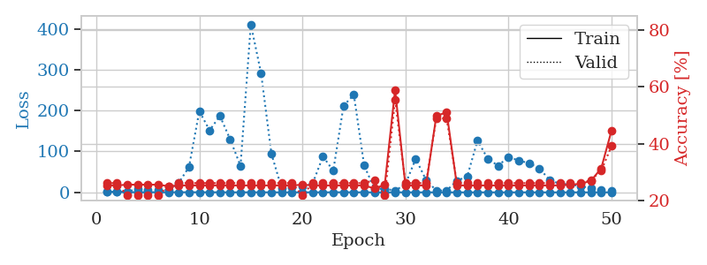
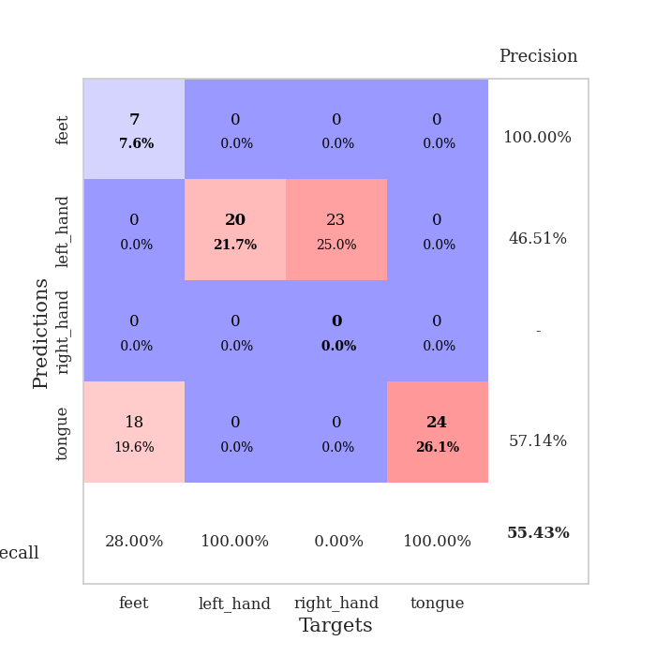
train_loss | valid_loss | train_accuracy | valid_accuracy | dur | train_misclass | valid_misclass
0.99339264113 | 1.4452352472 | 0.2527173913 | 0.26086956522 | 0.086693286896 | 25.27173913 | 26.086956522
0.60032644609 | 2.0139553962 | 0.2527173913 | 0.26086956522 | 0.091406822205 | 25.27173913 | 26.086956522
0.47966121137 | 1.6169749965 | 0.25543478261 | 0.21739130435 | 0.093452453613 | 25.543478261 | 21.739130435
0.39131506954 | 8.1391596172 | 0.25543478261 | 0.21739130435 | 0.094786405563 | 25.543478261 | 21.739130435
0.29716048973 | 5.5681236723 | 0.25543478261 | 0.21739130435 | 0.098005056381 | 25.543478261 | 21.739130435
0.28135167443 | 5.6832174011 | 0.25543478261 | 0.21739130435 | 0.10196471214 | 25.543478261 | 21.739130435
0.22646978408 | 5.606427172 | 0.25 | 0.25 | 0.094300985336 | 25 | 25
0.24803015962 | 22.893359972 | 0.2527173913 | 0.26086956522 | 0.092110395432 | 25.27173913 | 26.086956522
0.25813819549 | 62.015436753 | 0.2527173913 | 0.26086956522 | 0.091537237167 | 25.27173913 | 26.086956522
0.25768812981 | 198.68968599 | 0.2527173913 | 0.26086956522 | 0.095621824265 | 25.27173913 | 26.086956522
0.23282849756 | 151.71144767 | 0.2527173913 | 0.26086956522 | 0.089328050613 | 25.27173913 | 26.086956522
0.17720507984 | 187.01047615 | 0.2527173913 | 0.26086956522 | 0.088217973709 | 25.27173913 | 26.086956522
0.068244937159 | 129.38299726 | 0.2527173913 | 0.26086956522 | 0.089346408844 | 25.27173913 | 26.086956522
0.12379628456 | 64.549164482 | 0.2527173913 | 0.26086956522 | 0.087317466736 | 25.27173913 | 26.086956522
0.15448582828 | 411.2553021 | 0.2527173913 | 0.26086956522 | 0.087525367737 | 25.27173913 | 26.086956522
0.13940053798 | 290.72839754 | 0.2527173913 | 0.26086956522 | 0.087842226028 | 25.27173913 | 26.086956522
0.088350184991 | 94.083643043 | 0.2527173913 | 0.26086956522 | 0.08930015564 | 25.27173913 | 26.086956522
0.087449531962 | 9.6149696267 | 0.2527173913 | 0.26086956522 | 0.088410139084 | 25.27173913 | 26.086956522
0.067015491618 | 13.427310487 | 0.2527173913 | 0.26086956522 | 0.088046073914 | 25.27173913 | 26.086956522
0.12893572612 | 13.855355429 | 0.25543478261 | 0.21739130435 | 0.088089704514 | 25.543478261 | 21.739130435
0.12950522749 | 21.574884746 | 0.2527173913 | 0.26086956522 | 0.090436935425 | 25.27173913 | 26.086956522
0.12316712473 | 87.838646267 | 0.2527173913 | 0.26086956522 | 0.087902069092 | 25.27173913 | 26.086956522
0.078434157337 | 52.902008554 | 0.2527173913 | 0.26086956522 | 0.087934494019 | 25.27173913 | 26.086956522
0.29680118428 | 212.15329709 | 0.2527173913 | 0.26086956522 | 0.088168859482 | 25.27173913 | 26.086956522
0.092828603613 | 238.68594294 | 0.2527173913 | 0.26086956522 | 0.088337421417 | 25.27173913 | 26.086956522
0.035534232764 | 65.576865486 | 0.2527173913 | 0.26086956522 | 0.088083267212 | 25.27173913 | 26.086956522
0.069478231664 | 8.6573883554 | 0.24184782609 | 0.27173913043 | 0.088204145432 | 24.184782609 | 27.173913043
0.047334442922 | 8.6385840955 | 0.25543478261 | 0.21739130435 | 0.088222503662 | 25.543478261 | 21.739130435
0.033457888847 | 4.285681455 | 0.58967391304 | 0.55434782609 | 0.0884745121 | 58.967391304 | 55.434782609
0.052985791593 | 19.764898549 | 0.2527173913 | 0.26086956522 | 0.088475465775 | 25.27173913 | 26.086956522
0.032865373423 | 82.223263948 | 0.2527173913 | 0.26086956522 | 0.088534355164 | 25.27173913 | 26.086956522
0.02930561486 | 30.723232684 | 0.2527173913 | 0.26086956522 | 0.088210105896 | 25.27173913 | 26.086956522
0.028610398178 | 4.4086933551 | 0.4972826087 | 0.48913043478 | 0.088211774826 | 49.72826087 | 48.913043478
0.027812948597 | 4.5030208463 | 0.51086956522 | 0.48913043478 | 0.088149547577 | 51.086956522 | 48.913043478
0.022057536377 | 28.357418309 | 0.2527173913 | 0.26086956522 | 0.088248729706 | 25.27173913 | 26.086956522
0.034855534936 | 38.845089954 | 0.2527173913 | 0.26086956522 | 0.090231895447 | 25.27173913 | 26.086956522
0.048702580672 | 127.08799279 | 0.2527173913 | 0.26086956522 | 0.088834047318 | 25.27173913 | 26.086956522
0.054889088443 | 81.599635249 | 0.2527173913 | 0.26086956522 | 0.088660955429 | 25.27173913 | 26.086956522
0.027762289394 | 65.358839118 | 0.2527173913 | 0.26086956522 | 0.088448286057 | 25.27173913 | 26.086956522
0.013039080065 | 86.53329899 | 0.2527173913 | 0.26086956522 | 0.088200330734 | 25.27173913 | 26.086956522
0.021236678869 | 77.919160926 | 0.2527173913 | 0.26086956522 | 0.088094949722 | 25.27173913 | 26.086956522
0.042704571193 | 71.446624424 | 0.2527173913 | 0.26086956522 | 0.088322877884 | 25.27173913 | 26.086956522
0.018650173979 | 58.808460401 | 0.2527173913 | 0.26086956522 | 0.088352203369 | 25.27173913 | 26.086956522
0.01534895487 | 30.000718573 | 0.2527173913 | 0.26086956522 | 0.088253736496 | 25.27173913 | 26.086956522
0.016305104723 | 21.023544229 | 0.2527173913 | 0.26086956522 | 0.088169574738 | 25.27173913 | 26.086956522
0.045478061091 | 18.960888158 | 0.25543478261 | 0.26086956522 | 0.088148355484 | 25.543478261 | 26.086956522
0.028770576959 | 15.176761586 | 0.25815217391 | 0.26086956522 | 0.088006973267 | 25.815217391 | 26.086956522
0.02678178518 | 10.193768833 | 0.26902173913 | 0.27173913043 | 0.088248968124 | 26.902173913 | 27.173913043
0.033354601644 | 5.8663360554 | 0.3125 | 0.30434782609 | 0.088217020035 | 31.25 | 30.434782609
0.058713153293 | 3.1898005838 | 0.44565217391 | 0.39130434783 | 0.088253736496 | 44.565217391 | 39.130434783

Best Val accuracy is 0.5543478260869565 and Best test accuracy is 0.5689655172413793

Sheet7
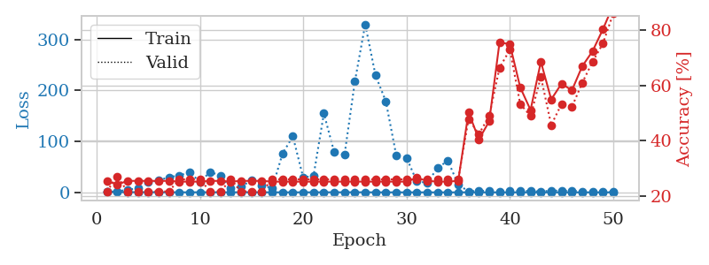
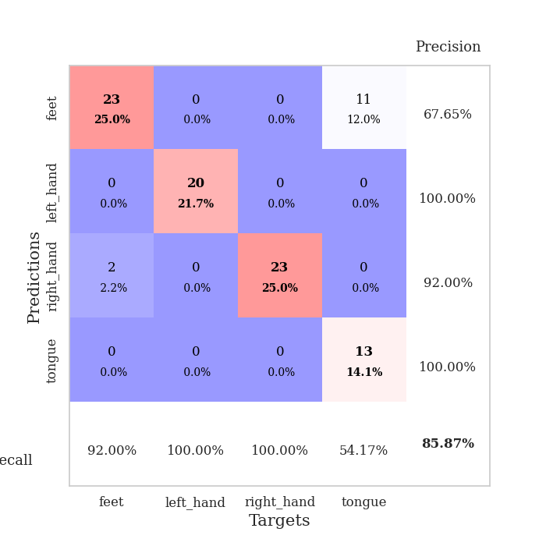
train_loss | valid_loss | train_accuracy | valid_accuracy | dur | train_misclass | valid_misclass
1.0395351467 | 1.4841099822 | 0.25543478261 | 0.21739130435 | 0.089493751526 | 25.543478261 | 21.739130435
0.56438259327 | 1.7716195842 | 0.24184782609 | 0.27173913043 | 0.086727380753 | 24.184782609 | 27.173913043
0.41331180282 | 5.1265256301 | 0.25543478261 | 0.21739130435 | 0.087021589279 | 25.543478261 | 21.739130435
0.32443504068 | 7.7198742576 | 0.25543478261 | 0.21739130435 | 0.086973428726 | 25.543478261 | 21.739130435
0.39107410998 | 19.699949347 | 0.25543478261 | 0.21739130435 | 0.08721113205 | 25.543478261 | 21.739130435
0.26285918543 | 23.022034604 | 0.25543478261 | 0.21739130435 | 0.086930513382 | 25.543478261 | 21.739130435
0.16211738324 | 29.827981617 | 0.25543478261 | 0.21739130435 | 0.086968421936 | 25.543478261 | 21.739130435
0.15847695011 | 33.061849097 | 0.2527173913 | 0.26086956522 | 0.086840391159 | 25.27173913 | 26.086956522
0.097739176744 | 39.094666688 | 0.2527173913 | 0.26086956522 | 0.087133646011 | 25.27173913 | 26.086956522
0.24078374712 | 20.947154335 | 0.2527173913 | 0.26086956522 | 0.087066888809 | 25.27173913 | 26.086956522
0.17504458101 | 39.646117998 | 0.25543478261 | 0.21739130435 | 0.086971998215 | 25.543478261 | 21.739130435
0.19050226958 | 33.148950826 | 0.25543478261 | 0.21739130435 | 0.086891889572 | 25.543478261 | 21.739130435
0.16804727359 | 8.0453025362 | 0.2527173913 | 0.26086956522 | 0.087393760681 | 25.27173913 | 26.086956522
0.23355667074 | 11.23588052 | 0.25543478261 | 0.21739130435 | 0.086987257004 | 25.543478261 | 21.739130435
0.22163924729 | 23.751931978 | 0.25543478261 | 0.21739130435 | 0.086739778519 | 25.543478261 | 21.739130435
0.16836768995 | 14.077486411 | 0.25543478261 | 0.21739130435 | 0.086645364761 | 25.543478261 | 21.739130435
0.10223058996 | 8.0684686744 | 0.2527173913 | 0.26086956522 | 0.088684082031 | 25.27173913 | 26.086956522
0.073704372565 | 76.078010891 | 0.2527173913 | 0.26086956522 | 0.087051868439 | 25.27173913 | 26.086956522
0.079478679923 | 109.78733793 | 0.2527173913 | 0.26086956522 | 0.086857318878 | 25.27173913 | 26.086956522
0.072209749867 | 28.982524955 | 0.2527173913 | 0.26086956522 | 0.086881399155 | 25.27173913 | 26.086956522
0.10453540843 | 32.384777898 | 0.2527173913 | 0.26086956522 | 0.086893558502 | 25.27173913 | 26.086956522
0.17350525038 | 154.64219865 | 0.2527173913 | 0.26086956522 | 0.087064743042 | 25.27173913 | 26.086956522
0.12752618527 | 78.864587203 | 0.2527173913 | 0.26086956522 | 0.087336540222 | 25.27173913 | 26.086956522
0.16920088865 | 73.726370107 | 0.2527173913 | 0.26086956522 | 0.086808443069 | 25.27173913 | 26.086956522
0.21327160846 | 217.11630979 | 0.2527173913 | 0.26086956522 | 0.086773633957 | 25.27173913 | 26.086956522
0.16189375564 | 329.57980612 | 0.2527173913 | 0.26086956522 | 0.086963891983 | 25.27173913 | 26.086956522
0.096553630742 | 229.29661494 | 0.2527173913 | 0.26086956522 | 0.086923122406 | 25.27173913 | 26.086956522
0.090416216747 | 178.31533946 | 0.2527173913 | 0.26086956522 | 0.086988925934 | 25.27173913 | 26.086956522
0.058108163775 | 72.974413996 | 0.2527173913 | 0.26086956522 | 0.086741685867 | 25.27173913 | 26.086956522
0.080621729666 | 67.71932519 | 0.2527173913 | 0.26086956522 | 0.086911201477 | 25.27173913 | 26.086956522
0.10862263295 | 21.250655547 | 0.26630434783 | 0.26086956522 | 0.087073087692 | 26.630434783 | 26.086956522
0.039913931477 | 19.014398824 | 0.25543478261 | 0.26086956522 | 0.087032556534 | 25.543478261 | 26.086956522
0.025702767935 | 47.6698212 | 0.2527173913 | 0.26086956522 | 0.086750030518 | 25.27173913 | 26.086956522
0.030406501033 | 62.263062353 | 0.2527173913 | 0.26086956522 | 0.086907863617 | 25.27173913 | 26.086956522
0.03193087519 | 14.806198245 | 0.25543478261 | 0.26086956522 | 0.087054491043 | 25.543478261 | 26.086956522
0.12513239255 | 2.0461135636 | 0.5027173913 | 0.47826086957 | 0.086983442307 | 50.27173913 | 47.826086957
0.024005974106 | 2.89687704 | 0.40489130435 | 0.42391304348 | 0.08743929863 | 40.489130435 | 42.391304348
0.03140740917 | 3.2999248401 | 0.47010869565 | 0.48913043478 | 0.087229728699 | 47.010869565 | 48.913043478
0.030710409896 | 1.0407951034 | 0.75543478261 | 0.66304347826 | 0.087291002274 | 75.543478261 | 66.304347826
0.030751679558 | 2.3063499202 | 0.7472826087 | 0.72826086957 | 0.087211608887 | 74.72826087 | 72.826086957
0.071090335426 | 2.9153102066 | 0.59239130435 | 0.53260869565 | 0.08726811409 | 59.239130435 | 53.260869565
0.043812577901 | 2.6773009611 | 0.51086956522 | 0.48913043478 | 0.087107419968 | 51.086956522 | 48.913043478
0.01453320084 | 1.3057023339 | 0.6847826087 | 0.63043478261 | 0.086933612823 | 68.47826087 | 63.043478261
0.048123795645 | 3.7464310605 | 0.54891304348 | 0.45652173913 | 0.087023496628 | 54.891304348 | 45.652173913
0.010590637453 | 2.9586886012 | 0.60597826087 | 0.53260869565 | 0.087003231049 | 60.597826087 | 53.260869565
0.053469151881 | 3.0954114561 | 0.58152173913 | 0.52173913043 | 0.086799144745 | 58.152173913 | 52.173913043
0.013705751034 | 2.0751426427 | 0.66847826087 | 0.60869565217 | 0.087029218674 | 66.847826087 | 60.869565217
0.055916863211 | 1.3585769767 | 0.72282608696 | 0.6847826087 | 0.087018013 | 72.282608696 | 68.47826087
0.028656467709 | 0.78231638152 | 0.80163043478 | 0.75 | 0.087021112442 | 80.163043478 | 75
0.024720003322 | 0.42615414573 | 0.88858695652 | 0.85869565217 | 0.087262392044 | 88.858695652 | 85.869565217

Best Val accuracy is 0.8586956521739131 and Best test accuracy is 0.8448275862068966

Sheet8
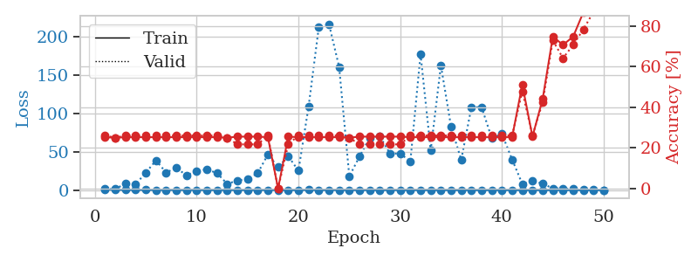
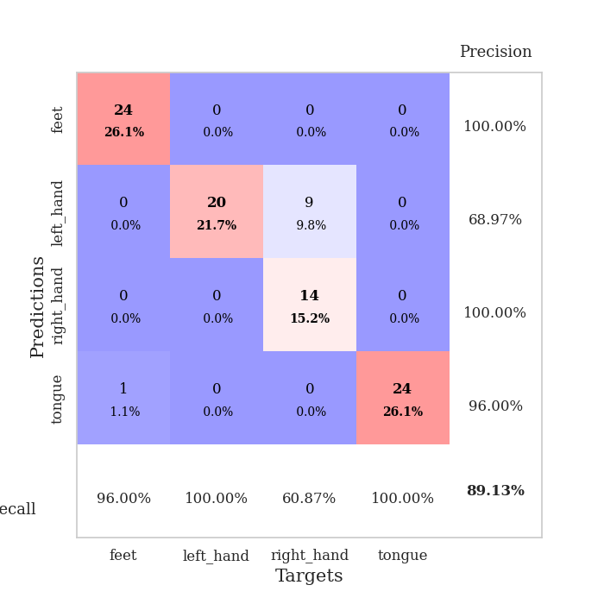
train_loss | valid_loss | train_accuracy | valid_accuracy | dur | train_misclass | valid_misclass
0.95840614386 | 1.6382874872 | 0.2527173913 | 0.26086956522 | 0.089529275894 | 25.27173913 | 26.086956522
0.56232497355 | 1.596398027 | 0.25 | 0.25 | 0.088036298752 | 25 | 25
0.33083813864 | 8.4441950425 | 0.2527173913 | 0.26086956522 | 0.087868213654 | 25.27173913 | 26.086956522
0.39421342702 | 7.5785660329 | 0.2527173913 | 0.26086956522 | 0.088008403778 | 25.27173913 | 26.086956522
0.31521619824 | 22.852220121 | 0.2527173913 | 0.26086956522 | 0.08758020401 | 25.27173913 | 26.086956522
0.21376823585 | 38.586055756 | 0.2527173913 | 0.26086956522 | 0.088186740875 | 25.27173913 | 26.086956522
0.26535396901 | 22.968653472 | 0.2527173913 | 0.26086956522 | 0.087889194489 | 25.27173913 | 26.086956522
0.25765891649 | 29.178539359 | 0.2527173913 | 0.26086956522 | 0.087746620178 | 25.27173913 | 26.086956522
0.13140331298 | 19.074289985 | 0.2527173913 | 0.26086956522 | 0.08754491806 | 25.27173913 | 26.086956522
0.1919094742 | 25.174056758 | 0.2527173913 | 0.26086956522 | 0.087869644165 | 25.27173913 | 26.086956522
0.1072055039 | 27.080565494 | 0.2527173913 | 0.26086956522 | 0.088188171387 | 25.27173913 | 26.086956522
0.12846119908 | 22.114901584 | 0.2527173913 | 0.26086956522 | 0.088500022888 | 25.27173913 | 26.086956522
0.18510166467 | 8.2221834349 | 0.25 | 0.25 | 0.088132619858 | 25 | 25
0.10289374051 | 12.555723107 | 0.25543478261 | 0.21739130435 | 0.088701725006 | 25.543478261 | 21.739130435
0.14112168789 | 14.468892927 | 0.25543478261 | 0.21739130435 | 0.088433980942 | 25.543478261 | 21.739130435
0.13702323433 | 22.219376025 | 0.25543478261 | 0.21739130435 | 0.088542938232 | 25.543478261 | 21.739130435
0.1716525158 | 46.415639463 | 0.2527173913 | 0.26086956522 | 0.088552474976 | 25.27173913 | 26.086956522
0.17982299002 | 29.914341885 | 0 | 0 | 0.088511943817 | 0 | 0
0.048531502895 | 44.172212518 | 0.25543478261 | 0.21739130435 | 0.088438987732 | 25.543478261 | 21.739130435
0.080841815919 | 25.307343442 | 0.2527173913 | 0.26086956522 | 0.088044166565 | 25.27173913 | 26.086956522
0.31840793259 | 108.83731643 | 0.2527173913 | 0.26086956522 | 0.08820772171 | 25.27173913 | 26.086956522
0.12028244061 | 211.90977611 | 0.2527173913 | 0.26086956522 | 0.088467121124 | 25.27173913 | 26.086956522
0.14458703535 | 216.1091972 | 0.2527173913 | 0.26086956522 | 0.088054895401 | 25.27173913 | 26.086956522
0.14459752271 | 160.25761812 | 0.2527173913 | 0.26086956522 | 0.088245153427 | 25.27173913 | 26.086956522
0.077593229833 | 18.019452883 | 0.25 | 0.25 | 0.088120222092 | 25 | 25
0.05968300488 | 43.678577091 | 0.25543478261 | 0.21739130435 | 0.08851480484 | 25.543478261 | 21.739130435
0.063052489058 | 68.048281131 | 0.25543478261 | 0.21739130435 | 0.08854341507 | 25.543478261 | 21.739130435
0.053905875412 | 69.830677198 | 0.25543478261 | 0.21739130435 | 0.088109731674 | 25.543478261 | 21.739130435
0.065461343873 | 47.657370028 | 0.25543478261 | 0.21739130435 | 0.088183641434 | 25.543478261 | 21.739130435
0.069990413107 | 47.533810159 | 0.25543478261 | 0.21739130435 | 0.088205337524 | 25.543478261 | 21.739130435
0.074828988923 | 37.567954188 | 0.2527173913 | 0.26086956522 | 0.088499307632 | 25.27173913 | 26.086956522
0.073404489065 | 176.93185624 | 0.2527173913 | 0.26086956522 | 0.088433265686 | 25.27173913 | 26.086956522
0.044856939151 | 51.928280872 | 0.2527173913 | 0.26086956522 | 0.088348150253 | 25.27173913 | 26.086956522
0.05660017187 | 162.34348994 | 0.2527173913 | 0.26086956522 | 0.088122844696 | 25.27173913 | 26.086956522
0.040336702768 | 82.451675083 | 0.2527173913 | 0.26086956522 | 0.088346481323 | 25.27173913 | 26.086956522
0.055152088791 | 39.509900798 | 0.2527173913 | 0.26086956522 | 0.088231086731 | 25.27173913 | 26.086956522
0.049836770803 | 107.88837765 | 0.2527173913 | 0.26086956522 | 0.088203191757 | 25.27173913 | 26.086956522
0.017459376864 | 108.03609068 | 0.2527173913 | 0.26086956522 | 0.088301181793 | 25.27173913 | 26.086956522
0.024452172412 | 67.499782728 | 0.2527173913 | 0.26086956522 | 0.088069677353 | 25.27173913 | 26.086956522
0.044115364167 | 73.125467052 | 0.2527173913 | 0.26086956522 | 0.088900089264 | 25.27173913 | 26.086956522
0.018015609619 | 39.891942729 | 0.2527173913 | 0.26086956522 | 0.088578462601 | 25.27173913 | 26.086956522
0.032737275606 | 8.0424923689 | 0.51086956522 | 0.47826086957 | 0.088717937469 | 51.086956522 | 47.826086957
0.022869794923 | 12.424336599 | 0.25543478261 | 0.26086956522 | 0.088894605637 | 25.543478261 | 26.086956522
0.022018502044 | 8.3572568479 | 0.4402173913 | 0.42391304348 | 0.088638544083 | 44.02173913 | 42.391304348
0.033624679223 | 2.4209761101 | 0.7472826087 | 0.72826086957 | 0.088874101639 | 74.72826087 | 72.826086957
0.014343453019 | 2.0847320246 | 0.70652173913 | 0.64130434783 | 0.088942527771 | 70.652173913 | 64.130434783
0.041431665919 | 1.5324964627 | 0.7472826087 | 0.70652173913 | 0.088824272156 | 74.72826087 | 70.652173913
0.039922479722 | 0.68049754526 | 0.86684782609 | 0.78260869565 | 0.088779687881 | 86.684782609 | 78.260869565
0.018960355275 | 0.38565625704 | 0.9347826087 | 0.86956521739 | 0.088835954666 | 93.47826087 | 86.956521739
0.042977489804 | 0.21456990067 | 0.97282608696 | 0.89130434783 | 0.088602304459 | 97.282608696 | 89.130434783

Best Val accuracy is 0.8913043478260869 and Best test accuracy is 0.9396551724137931

Sheet9
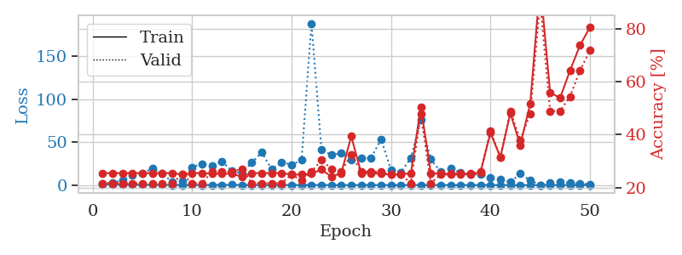
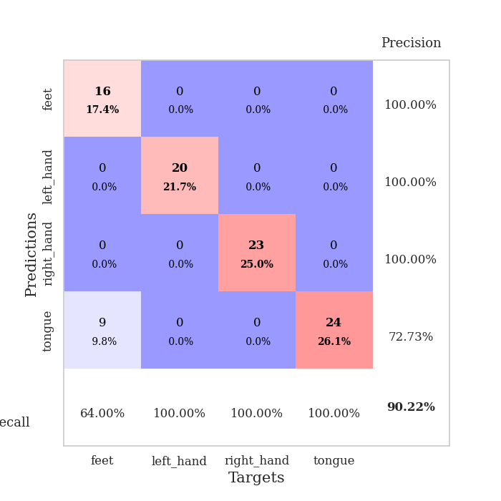
train_loss | valid_loss | train_accuracy | valid_accuracy | dur | train_misclass | valid_misclass
1.1672536446 | 1.7034494721 | 0.25543478261 | 0.21739130435 | 0.088633060455 | 25.543478261 | 21.739130435
0.66192848656 | 2.9734234499 | 0.25543478261 | 0.21739130435 | 0.086499452591 | 25.543478261 | 21.739130435
0.46390628167 | 5.2677080735 | 0.25543478261 | 0.21739130435 | 0.08691906929 | 25.543478261 | 21.739130435
0.42637508881 | 12.03670622 | 0.25543478261 | 0.21739130435 | 0.087339878082 | 25.543478261 | 21.739130435
0.31361049187 | 13.940002234 | 0.25543478261 | 0.21739130435 | 0.086736440659 | 25.543478261 | 21.739130435
0.33710311353 | 19.405012462 | 0.25543478261 | 0.21739130435 | 0.086802959442 | 25.543478261 | 21.739130435
0.25749805149 | 13.885380164 | 0.25543478261 | 0.21739130435 | 0.086782455444 | 25.543478261 | 21.739130435
0.22355236648 | 3.4173801982 | 0.25543478261 | 0.21739130435 | 0.086660861969 | 25.543478261 | 21.739130435
0.20766436803 | 4.3748682271 | 0.25 | 0.25 | 0.088911294937 | 25 | 25
0.25475261927 | 21.002520437 | 0.25543478261 | 0.21739130435 | 0.087846755981 | 25.543478261 | 21.739130435
0.20451358351 | 24.838686155 | 0.25543478261 | 0.21739130435 | 0.08700466156 | 25.543478261 | 21.739130435
0.21168800423 | 22.047394794 | 0.2527173913 | 0.26086956522 | 0.086697340012 | 25.27173913 | 26.086956522
0.23274986029 | 27.543544603 | 0.2527173913 | 0.26086956522 | 0.086890935898 | 25.27173913 | 26.086956522
0.29435149953 | 16.629962548 | 0.2527173913 | 0.26086956522 | 0.088745117188 | 25.27173913 | 26.086956522
0.13286808473 | 13.763052567 | 0.24184782609 | 0.27173913043 | 0.087093353271 | 24.184782609 | 27.173913043
0.11341475922 | 26.3096855 | 0.25543478261 | 0.21739130435 | 0.086799144745 | 25.543478261 | 21.739130435
0.089591526426 | 38.113915982 | 0.25543478261 | 0.21739130435 | 0.086546421051 | 25.543478261 | 21.739130435
0.10356624078 | 18.47958316 | 0.25543478261 | 0.21739130435 | 0.086485147476 | 25.543478261 | 21.739130435
0.074409507519 | 26.4815673 | 0.25543478261 | 0.21739130435 | 0.086520433426 | 25.543478261 | 21.739130435
0.075787347802 | 23.945198059 | 0.25 | 0.25 | 0.086629867554 | 25 | 25
0.16199416845 | 29.143854971 | 0.25 | 0.22826086957 | 0.086500883102 | 25 | 22.826086957
0.11646527426 | 188.42372529 | 0.2527173913 | 0.26086956522 | 0.086494684219 | 25.27173913 | 26.086956522
0.10393006751 | 41.591512265 | 0.26902173913 | 0.30434782609 | 0.086419582367 | 26.902173913 | 30.434782609
0.095575632082 | 35.098902993 | 0.24184782609 | 0.27173913043 | 0.086785316467 | 24.184782609 | 27.173913043
0.055107899592 | 37.267200304 | 0.25543478261 | 0.26086956522 | 0.086588382721 | 25.543478261 | 26.086956522
0.035181655225 | 29.844991601 | 0.39402173913 | 0.32608695652 | 0.086458683014 | 39.402173913 | 32.608695652
0.033774475385 | 31.459017795 | 0.25543478261 | 0.26086956522 | 0.086851596832 | 25.543478261 | 26.086956522
0.098679140757 | 31.695134453 | 0.25543478261 | 0.26086956522 | 0.086670398712 | 25.543478261 | 26.086956522
0.070226327111 | 53.629214245 | 0.2527173913 | 0.26086956522 | 0.086472988129 | 25.27173913 | 26.086956522
0.068878429046 | 17.483378618 | 0.25 | 0.25 | 0.087037086487 | 25 | 25
0.040856200245 | 15.073548068 | 0.25 | 0.25 | 0.086921930313 | 25 | 25
0.072796788444 | 31.5956639 | 0.25543478261 | 0.21739130435 | 0.088567733765 | 25.543478261 | 21.739130435
0.088988984054 | 75.606768069 | 0.50543478261 | 0.47826086957 | 0.087378263474 | 50.543478261 | 47.826086957
0.039804113644 | 30.031676997 | 0.25543478261 | 0.21739130435 | 0.088443279266 | 25.543478261 | 21.739130435
0.040576437149 | 15.49753554 | 0.2527173913 | 0.25 | 0.08682012558 | 25.27173913 | 25
0.041960850242 | 19.085694189 | 0.2527173913 | 0.25 | 0.086587190628 | 25.27173913 | 25
0.042258724201 | 14.591835727 | 0.2527173913 | 0.25 | 0.086484193802 | 25.27173913 | 25
0.01844733751 | 12.264390738 | 0.2527173913 | 0.25 | 0.086649417877 | 25.27173913 | 25
0.031686004388 | 12.693574366 | 0.25815217391 | 0.26086956522 | 0.086633682251 | 25.815217391 | 26.086956522
0.025175039798 | 8.7731197606 | 0.40760869565 | 0.41304347826 | 0.086480140686 | 40.760869565 | 41.304347826
0.04052701267 | 6.5155440413 | 0.3152173913 | 0.3152173913 | 0.08651304245 | 31.52173913 | 31.52173913
0.025122763113 | 3.5591686601 | 0.48097826087 | 0.48913043478 | 0.086740970612 | 48.097826087 | 48.913043478
0.024921041086 | 13.176941416 | 0.36141304348 | 0.38043478261 | 0.086744070053 | 36.141304348 | 38.043478261
0.018325135188 | 5.5633451835 | 0.51630434783 | 0.47826086957 | 0.086547851562 | 51.630434783 | 47.826086957
0.039442165189 | 0.17814698362 | 0.97010869565 | 0.90217391304 | 0.08652973175 | 97.010869565 | 90.217391304
0.027607801406 | 2.878256746 | 0.5597826087 | 0.48913043478 | 0.08695936203 | 55.97826087 | 48.913043478
0.026482852573 | 3.6893475056 | 0.53804347826 | 0.48913043478 | 0.086740255356 | 53.804347826 | 48.913043478
0.031238335574 | 2.431153313 | 0.64130434783 | 0.54347826087 | 0.086618423462 | 64.130434783 | 54.347826087
0.019081073597 | 1.5941710576 | 0.73641304348 | 0.64130434783 | 0.086540699005 | 73.641304348 | 64.130434783
0.024873277179 | 1.036634427 | 0.80434782609 | 0.71739130435 | 0.086572408676 | 80.434782609 | 71.739130435

Best Val accuracy is 0.9021739130434783 and Best test accuracy is 0.8706896551724138

Sheet10
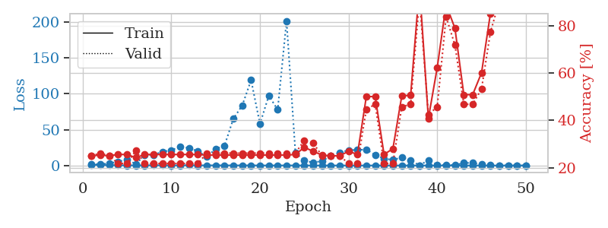
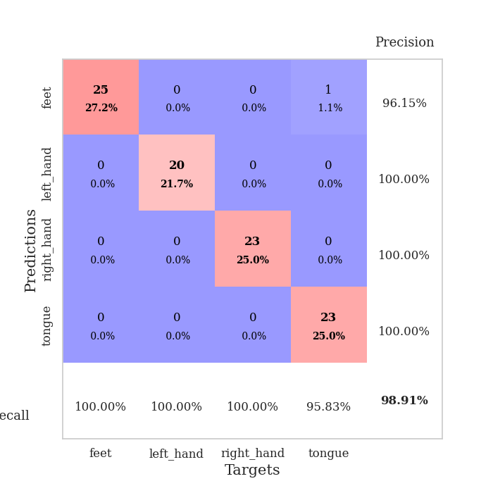
train_loss | valid_loss | train_accuracy | valid_accuracy | dur | train_misclass | valid_misclass
1.1024110032 | 1.4230206479 | 0.25 | 0.25 | 0.088778018951 | 25 | 25
0.61979113584 | 1.8309394743 | 0.2527173913 | 0.26086956522 | 0.087212562561 | 25.27173913 | 26.086956522
0.51912176285 | 2.9570054075 | 0.25 | 0.25 | 0.087210416794 | 25 | 25
0.35843809467 | 5.4649979965 | 0.25543478261 | 0.21739130435 | 0.086949110031 | 25.543478261 | 21.739130435
0.26034337493 | 8.1438379288 | 0.25543478261 | 0.21739130435 | 0.08701634407 | 25.543478261 | 21.739130435
0.22419679764 | 2.0835445446 | 0.24184782609 | 0.27173913043 | 0.086871147156 | 24.184782609 | 27.173913043
0.27204983746 | 14.427982621 | 0.25543478261 | 0.21739130435 | 0.087332248688 | 25.543478261 | 21.739130435
0.33052030886 | 14.852584714 | 0.25543478261 | 0.21739130435 | 0.0912129879 | 25.543478261 | 21.739130435
0.28227178736 | 19.20647107 | 0.25543478261 | 0.21739130435 | 0.088025808334 | 25.543478261 | 21.739130435
0.25418677017 | 21.409178775 | 0.25543478261 | 0.21739130435 | 0.087178707123 | 25.543478261 | 21.739130435
0.21100446983 | 26.12572189 | 0.25543478261 | 0.21739130435 | 0.087033748627 | 25.543478261 | 21.739130435
0.38029067121 | 24.543707143 | 0.25543478261 | 0.21739130435 | 0.087147951126 | 25.543478261 | 21.739130435
0.248432427 | 19.753454706 | 0.25543478261 | 0.21739130435 | 0.08720946312 | 25.543478261 | 21.739130435
0.20921782663 | 12.254609688 | 0.2527173913 | 0.26086956522 | 0.087315320969 | 25.27173913 | 26.086956522
0.22324941915 | 23.108792761 | 0.2527173913 | 0.26086956522 | 0.087007045746 | 25.27173913 | 26.086956522
0.17091097962 | 27.642318809 | 0.2527173913 | 0.26086956522 | 0.087259531021 | 25.27173913 | 26.086956522
0.18367402717 | 65.247388425 | 0.2527173913 | 0.26086956522 | 0.087129831314 | 25.27173913 | 26.086956522
0.14089842798 | 83.620335455 | 0.2527173913 | 0.26086956522 | 0.087316513062 | 25.27173913 | 26.086956522
0.16028274369 | 119.07156903 | 0.2527173913 | 0.26086956522 | 0.087305307388 | 25.27173913 | 26.086956522
0.082834385467 | 57.957828853 | 0.2527173913 | 0.26086956522 | 0.087287425995 | 25.27173913 | 26.086956522
0.082687386797 | 97.4074372 | 0.2527173913 | 0.26086956522 | 0.087341785431 | 25.27173913 | 26.086956522
0.097454006136 | 77.739196777 | 0.2527173913 | 0.26086956522 | 0.087372779846 | 25.27173913 | 26.086956522
0.14571538003 | 201.54644842 | 0.2527173913 | 0.26086956522 | 0.087114095688 | 25.27173913 | 26.086956522
0.10149646496 | 17.881585743 | 0.25543478261 | 0.26086956522 | 0.088850975037 | 25.543478261 | 26.086956522
0.092505800416 | 6.8894975704 | 0.28532608696 | 0.3152173913 | 0.086743354797 | 28.532608696 | 31.52173913
0.063701208084 | 4.080419613 | 0.26902173913 | 0.30434782609 | 0.08708524704 | 26.902173913 | 30.434782609
0.067244624375 | 6.2169020902 | 0.2527173913 | 0.25 | 0.087257623672 | 25.27173913 | 25
0.047515380237 | 13.29337091 | 0.25 | 0.25 | 0.087460517883 | 25 | 25
0.049979263795 | 17.890465861 | 0.25 | 0.25 | 0.088029384613 | 25 | 25
0.059367278763 | 21.397438796 | 0.26902173913 | 0.21739130435 | 0.087579250336 | 26.902173913 | 21.739130435
0.061462419259 | 21.730143423 | 0.25543478261 | 0.21739130435 | 0.087630987167 | 25.543478261 | 21.739130435
0.042586017329 | 22.29712138 | 0.5 | 0.44565217391 | 0.087629079819 | 50 | 44.565217391
0.062772591295 | 14.682277348 | 0.5 | 0.46739130435 | 0.087647914886 | 50 | 46.739130435
0.041299570499 | 9.7092429866 | 0.25543478261 | 0.21739130435 | 0.087492465973 | 25.543478261 | 21.739130435
0.054482514142 | 7.7924089846 | 0.27989130435 | 0.21739130435 | 0.088021039963 | 27.989130435 | 21.739130435
0.047705209384 | 11.313639226 | 0.5027173913 | 0.45652173913 | 0.087540864944 | 50.27173913 | 45.652173913
0.041641627681 | 7.0427990167 | 0.50543478261 | 0.46739130435 | 0.087898492813 | 50.543478261 | 46.739130435
0.031505835612 | 0.2528008702 | 0.96467391304 | 0.91304347826 | 0.087556600571 | 96.467391304 | 91.304347826
0.039547429673 | 7.3965806132 | 0.40760869565 | 0.42391304348 | 0.088128566742 | 40.760869565 | 42.391304348
0.033614951085 | 1.1331189456 | 0.6222826087 | 0.45652173913 | 0.087685585022 | 62.22826087 | 45.652173913
0.034541178859 | 0.4087333731 | 0.88858695652 | 0.83695652174 | 0.087700843811 | 88.858695652 | 83.695652174
0.034882715139 | 0.63582544482 | 0.78804347826 | 0.71739130435 | 0.087574958801 | 78.804347826 | 71.739130435
0.03623798935 | 3.5381205186 | 0.50815217391 | 0.46739130435 | 0.088001251221 | 50.815217391 | 46.739130435
0.031036086644 | 3.6507473925 | 0.50815217391 | 0.46739130435 | 0.087625980377 | 50.815217391 | 46.739130435
0.033475506155 | 1.4563573962 | 0.60054347826 | 0.53260869565 | 0.087417840958 | 60.054347826 | 53.260869565
0.021186951315 | 0.46346643178 | 0.85054347826 | 0.77173913043 | 0.087467432022 | 85.054347826 | 77.173913043
0.020163422597 | 0.22575361832 | 0.94565217391 | 0.90217391304 | 0.087648630142 | 94.565217391 | 90.217391304
0.036662788391 | 0.14671537993 | 0.98369565217 | 0.97826086957 | 0.087431669235 | 98.369565217 | 97.826086957
0.039897689657 | 0.097070914248 | 0.99184782609 | 0.98913043478 | 0.087688684464 | 99.184782609 | 98.913043478
0.031064453763 | 0.075109164676 | 0.9972826087 | 0.98913043478 | 0.087731361389 | 99.72826087 | 98.913043478

Best Val accuracy is 0.9891304347826086 and Best test accuracy is 0.9051724137931034

