Sheet
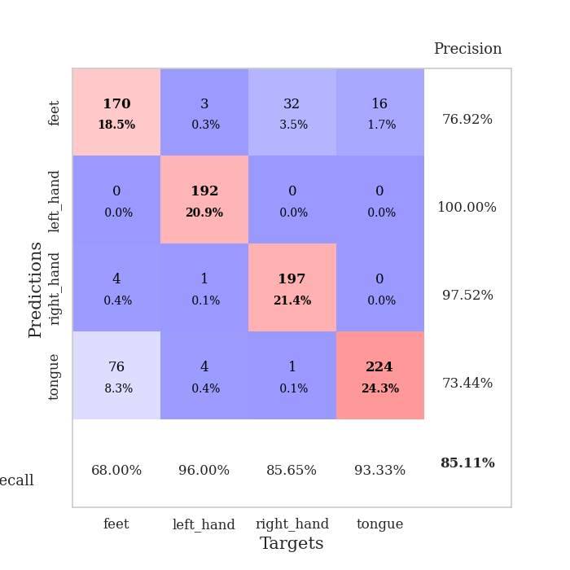
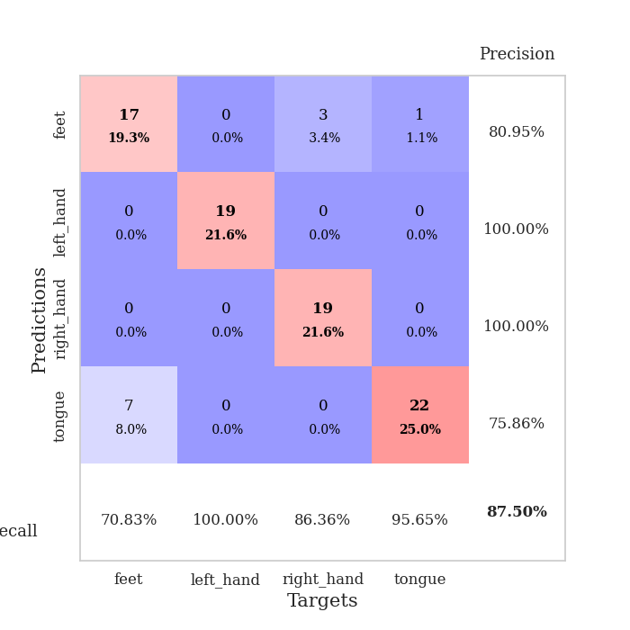
best_val_acc | best_val_los | best_test_acc
0.92391304348 | 0.19243951632 | 0.9224137931
0.80434782609 | 0.60991020444 | 0.84482758621
0.97826086957 | 0.092087801323 | 0.99137931034
0.91304347826 | 0.23146856592 | 0.94827586207
0.89130434783 | 0.22755191248 | 0.9224137931
0.73913043478 | 0.78298251136 | 0.76724137931
0.90217391304 | 0.40635460645 | 0.9224137931
0.78260869565 | 0.59861184624 | 0.85344827586
0.88043478261 | 0.37489172897 | 0.96551724138
0.69565217391 | 1.4013606103 | 0.72413793103

Mean,std Val accuracy is 0.851086956521739 , 0.09065938524822116 and mean, std test accuracy is 0.886206896551724 , 0.0871405380879267

Sheet1
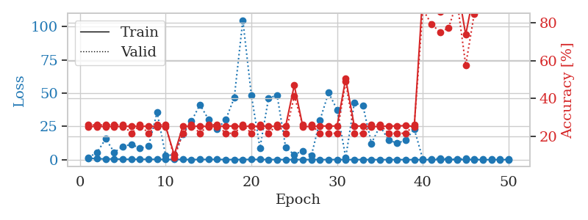
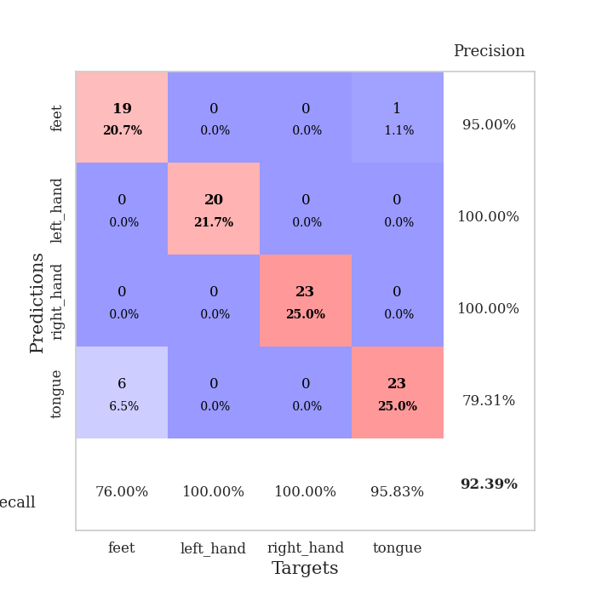
train_loss | valid_loss | train_accuracy | valid_accuracy | dur | train_misclass | valid_misclass
1.1670401019 | 1.6398581888 | 0.2527173913 | 0.26086956522 | 0.088827610016 | 25.27173913 | 26.086956522
0.72487697005 | 5.5107249592 | 0.2527173913 | 0.26086956522 | 0.08838391304 | 25.27173913 | 26.086956522
0.5570666032 | 15.67287839 | 0.2527173913 | 0.26086956522 | 0.088250875473 | 25.27173913 | 26.086956522
0.58527035817 | 5.5206736896 | 0.2527173913 | 0.26086956522 | 0.089017629623 | 25.27173913 | 26.086956522
0.35657728058 | 9.9128950368 | 0.2527173913 | 0.26086956522 | 0.088581562042 | 25.27173913 | 26.086956522
0.33268553083 | 11.578942465 | 0.25543478261 | 0.21739130435 | 0.08781337738 | 25.543478261 | 21.739130435
0.3762169124 | 8.5594896026 | 0.2527173913 | 0.26086956522 | 0.087869882584 | 25.27173913 | 26.086956522
0.28146178211 | 10.204922386 | 0.25543478261 | 0.21739130435 | 0.087800502777 | 25.543478261 | 21.739130435
0.28598693888 | 35.528523487 | 0.2527173913 | 0.26086956522 | 0.08777141571 | 25.27173913 | 26.086956522
0.16760417438 | 3.0165568435 | 0.2527173913 | 0.26086956522 | 0.087931632996 | 25.27173913 | 26.086956522
0.19197952804 | 3.8047526919 | 0.10326086957 | 0.086956521739 | 0.088005065918 | 10.326086957 | 8.6956521739
0.17696152417 | 19.251432253 | 0.25543478261 | 0.21739130435 | 0.087923049927 | 25.543478261 | 21.739130435
0.11608351071 | 28.899543099 | 0.2527173913 | 0.26086956522 | 0.088154554367 | 25.27173913 | 26.086956522
0.16935386003 | 41.351588208 | 0.25543478261 | 0.21739130435 | 0.088058710098 | 25.543478261 | 21.739130435
0.21447592613 | 30.231471767 | 0.2527173913 | 0.26086956522 | 0.088210582733 | 25.27173913 | 26.086956522
0.20698409147 | 23.066687874 | 0.2527173913 | 0.26086956522 | 0.087937355042 | 25.27173913 | 26.086956522
0.1328266114 | 29.970002133 | 0.25543478261 | 0.21739130435 | 0.088329792023 | 25.543478261 | 21.739130435
0.083117808053 | 46.507660078 | 0.25543478261 | 0.21739130435 | 0.088089704514 | 25.543478261 | 21.739130435
0.14731495661 | 104.8687439 | 0.2527173913 | 0.26086956522 | 0.087926387787 | 25.27173913 | 26.086956522
0.24012865434 | 48.198888862 | 0.25543478261 | 0.21739130435 | 0.088049888611 | 25.543478261 | 21.739130435
0.17786096551 | 8.9059388949 | 0.2527173913 | 0.26086956522 | 0.088066577911 | 25.27173913 | 26.086956522
0.12858279794 | 46.285974751 | 0.25543478261 | 0.21739130435 | 0.088010072708 | 25.543478261 | 21.739130435
0.10931003596 | 48.41458047 | 0.2527173913 | 0.26086956522 | 0.088121414185 | 25.27173913 | 26.086956522
0.10392981021 | 9.0475394622 | 0.25543478261 | 0.21739130435 | 0.088084936142 | 25.543478261 | 21.739130435
0.085182705894 | 3.8427924488 | 0.47010869565 | 0.41304347826 | 0.087883710861 | 47.010869565 | 41.304347826
0.14159763278 | 6.6626374825 | 0.2527173913 | 0.26086956522 | 0.088263750076 | 25.27173913 | 26.086956522
0.088386124668 | 3.1624705377 | 0.2527173913 | 0.26086956522 | 0.088075876236 | 25.27173913 | 26.086956522
0.10223325205 | 29.690864314 | 0.25543478261 | 0.21739130435 | 0.088104248047 | 25.543478261 | 21.739130435
0.057903263809 | 50.46126971 | 0.25543478261 | 0.21739130435 | 0.088265419006 | 25.543478261 | 21.739130435
0.12456955304 | 37.528677733 | 0.25543478261 | 0.21739130435 | 0.087965250015 | 25.543478261 | 21.739130435
0.056570127905 | 1.623787372 | 0.50543478261 | 0.48913043478 | 0.088092565536 | 50.543478261 | 48.913043478
0.075444019784 | 42.614538442 | 0.25543478261 | 0.21739130435 | 0.088305950165 | 25.543478261 | 21.739130435
0.10474990397 | 40.773925947 | 0.25543478261 | 0.21739130435 | 0.088069438934 | 25.543478261 | 21.739130435
0.063302320853 | 12.272560659 | 0.2527173913 | 0.26086956522 | 0.087931394577 | 25.27173913 | 26.086956522
0.052055760631 | 25.339459875 | 0.2527173913 | 0.26086956522 | 0.088124990463 | 25.27173913 | 26.086956522
0.056539971695 | 14.901691188 | 0.25543478261 | 0.21739130435 | 0.08752155304 | 25.543478261 | 21.739130435
0.048734603267 | 12.353136353 | 0.25543478261 | 0.21739130435 | 0.087976932526 | 25.543478261 | 21.739130435
0.066675881471 | 14.768179893 | 0.25815217391 | 0.21739130435 | 0.087954521179 | 25.815217391 | 21.739130435
0.02030288464 | 23.089086698 | 0.2527173913 | 0.26086956522 | 0.087862968445 | 25.27173913 | 26.086956522
0.023858824332 | 0.26746605879 | 0.96195652174 | 0.86956521739 | 0.090215682983 | 96.195652174 | 86.956521739
0.03471329086 | 0.68089738261 | 0.92663043478 | 0.79347826087 | 0.087741613388 | 92.663043478 | 79.347826087
0.016391359032 | 1.1353733954 | 0.85869565217 | 0.75 | 0.087651252747 | 85.869565217 | 75
0.034691917406 | 0.54492292569 | 0.89945652174 | 0.77173913043 | 0.087841033936 | 89.945652174 | 77.173913043
0.016430785915 | 0.19243951632 | 1 | 0.91304347826 | 0.088041782379 | 100 | 91.304347826
0.030798855815 | 1.1196775981 | 0.73641304348 | 0.57608695652 | 0.088174104691 | 73.641304348 | 57.608695652
0.038161821405 | 0.38318445631 | 0.96739130435 | 0.84782608696 | 0.087667942047 | 96.739130435 | 84.782608696
0.038579617237 | 0.39674619682 | 0.99184782609 | 0.89130434783 | 0.087935686111 | 99.184782609 | 89.130434783
0.030226025791 | 0.36429891622 | 0.99184782609 | 0.89130434783 | 0.087842464447 | 99.184782609 | 89.130434783
0.023480067736 | 0.2884860766 | 0.9972826087 | 0.91304347826 | 0.087759256363 | 99.72826087 | 91.304347826
0.022451794777 | 0.23492157917 | 1 | 0.92391304348 | 0.090017318726 | 100 | 92.391304348

Best Val accuracy is 0.9239130434782609 and Best test accuracy is 0.9224137931034483

Sheet2
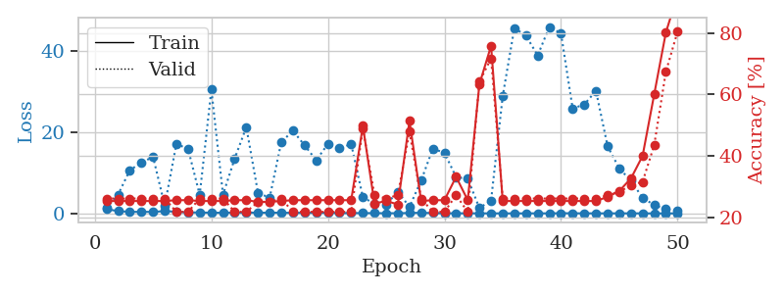
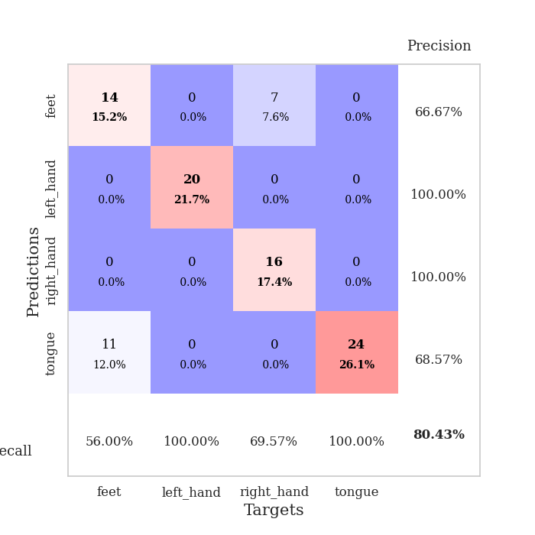
train_loss | valid_loss | train_accuracy | valid_accuracy | dur | train_misclass | valid_misclass
1.0623813945 | 1.4183937518 | 0.2527173913 | 0.26086956522 | 0.08982872963 | 25.27173913 | 26.086956522
0.60273280221 | 4.6772695832 | 0.2527173913 | 0.26086956522 | 0.084170103073 | 25.27173913 | 26.086956522
0.39723990922 | 10.664223422 | 0.2527173913 | 0.26086956522 | 0.083743333817 | 25.27173913 | 26.086956522
0.40848935752 | 12.564228514 | 0.2527173913 | 0.26086956522 | 0.084062099457 | 25.27173913 | 26.086956522
0.39174392107 | 13.975362653 | 0.2527173913 | 0.26086956522 | 0.084481477737 | 25.27173913 | 26.086956522
0.58959836675 | 1.9353797125 | 0.2527173913 | 0.26086956522 | 0.085146903992 | 25.27173913 | 26.086956522
0.43120990499 | 17.165884267 | 0.25543478261 | 0.21739130435 | 0.084701061249 | 25.543478261 | 21.739130435
0.23203410953 | 15.948144083 | 0.25543478261 | 0.21739130435 | 0.085081338882 | 25.543478261 | 21.739130435
0.27069050106 | 4.6006863843 | 0.2527173913 | 0.26086956522 | 0.085015535355 | 25.27173913 | 26.086956522
0.18346442339 | 30.560875022 | 0.2527173913 | 0.26086956522 | 0.08452630043 | 25.27173913 | 26.086956522
0.19005711846 | 4.6470990181 | 0.2527173913 | 0.26086956522 | 0.084722757339 | 25.27173913 | 26.086956522
0.20552940804 | 13.558499253 | 0.25543478261 | 0.21739130435 | 0.084927558899 | 25.543478261 | 21.739130435
0.24602909257 | 21.315315495 | 0.25543478261 | 0.21739130435 | 0.0850045681 | 25.543478261 | 21.739130435
0.19062322018 | 5.130481409 | 0.25 | 0.25 | 0.085002422333 | 25 | 25
0.21124126989 | 3.8528286996 | 0.25 | 0.25 | 0.08505821228 | 25 | 25
0.19745588659 | 17.608711657 | 0.2527173913 | 0.26086956522 | 0.084850549698 | 25.27173913 | 26.086956522
0.14862404557 | 20.415359082 | 0.25543478261 | 0.21739130435 | 0.084962129593 | 25.543478261 | 21.739130435
0.18401300543 | 16.813508904 | 0.25543478261 | 0.21739130435 | 0.085166931152 | 25.543478261 | 21.739130435
0.1762230555 | 13.138285969 | 0.25543478261 | 0.21739130435 | 0.084702014923 | 25.543478261 | 21.739130435
0.19116938835 | 17.170157972 | 0.25543478261 | 0.21739130435 | 0.0844810009 | 25.543478261 | 21.739130435
0.10342544568 | 16.069690456 | 0.25543478261 | 0.21739130435 | 0.084494113922 | 25.543478261 | 21.739130435
0.11009021994 | 17.133074885 | 0.25543478261 | 0.21739130435 | 0.084574222565 | 25.543478261 | 21.739130435
0.10231604029 | 4.0164724226 | 0.4972826087 | 0.48913043478 | 0.084736824036 | 49.72826087 | 48.913043478
0.089498373032 | 2.3788810398 | 0.24456521739 | 0.27173913043 | 0.084899425507 | 24.456521739 | 27.173913043
0.071149912865 | 2.2208763154 | 0.2527173913 | 0.26086956522 | 0.084714889526 | 25.27173913 | 26.086956522
0.074211651667 | 5.3849112677 | 0.24184782609 | 0.27173913043 | 0.084828615189 | 24.184782609 | 27.173913043
0.12875481351 | 1.6330832191 | 0.51358695652 | 0.47826086957 | 0.084952354431 | 51.358695652 | 47.826086957
0.18547677921 | 8.1232369879 | 0.2527173913 | 0.26086956522 | 0.085097551346 | 25.27173913 | 26.086956522
0.10045424863 | 15.969717109 | 0.25543478261 | 0.21739130435 | 0.084877490997 | 25.543478261 | 21.739130435
0.060826327692 | 15.006159368 | 0.25543478261 | 0.21739130435 | 0.085106611252 | 25.543478261 | 21.739130435
0.048636978573 | 8.9590008362 | 0.33152173913 | 0.27173913043 | 0.085075378418 | 33.152173913 | 27.173913043
0.052456123646 | 8.5879257866 | 0.25543478261 | 0.21739130435 | 0.084800481796 | 25.543478261 | 21.739130435
0.039356261003 | 1.349476664 | 0.63315217391 | 0.64130434783 | 0.084932088852 | 63.315217391 | 64.130434783
0.038456502067 | 3.2130245903 | 0.75815217391 | 0.71739130435 | 0.084663629532 | 75.815217391 | 71.739130435
0.029679181692 | 28.963330476 | 0.2527173913 | 0.26086956522 | 0.084462165833 | 25.27173913 | 26.086956522
0.030814335661 | 45.772595779 | 0.2527173913 | 0.26086956522 | 0.084351301193 | 25.27173913 | 26.086956522
0.032816317191 | 43.857518072 | 0.2527173913 | 0.26086956522 | 0.084356069565 | 25.27173913 | 26.086956522
0.047912932241 | 39.002576579 | 0.2527173913 | 0.26086956522 | 0.084705114365 | 25.27173913 | 26.086956522
0.028607782088 | 46.02914976 | 0.2527173913 | 0.26086956522 | 0.084848642349 | 25.27173913 | 26.086956522
0.077500148049 | 44.452714174 | 0.2527173913 | 0.26086956522 | 0.084403038025 | 25.27173913 | 26.086956522
0.049777985885 | 25.905465085 | 0.2527173913 | 0.26086956522 | 0.084378480911 | 25.27173913 | 26.086956522
0.044903990954 | 26.894857324 | 0.2527173913 | 0.26086956522 | 0.084512233734 | 25.27173913 | 26.086956522
0.038794050773 | 30.285797202 | 0.2527173913 | 0.26086956522 | 0.084584951401 | 25.27173913 | 26.086956522
0.03978509379 | 16.579427346 | 0.26630434783 | 0.27173913043 | 0.084721326828 | 26.630434783 | 27.173913043
0.032744466508 | 11.127214763 | 0.28532608696 | 0.28260869565 | 0.084490537643 | 28.532608696 | 28.260869565
0.047228185394 | 8.0811806554 | 0.32608695652 | 0.30434782609 | 0.08469748497 | 32.608695652 | 30.434782609
0.034098401828 | 3.9010478725 | 0.39945652174 | 0.3152173913 | 0.086954832077 | 39.945652174 | 31.52173913
0.025971532222 | 2.0685029989 | 0.60054347826 | 0.4347826087 | 0.085724830627 | 60.054347826 | 43.47826087
0.029334696248 | 1.0657178079 | 0.80163043478 | 0.67391304348 | 0.085843086243 | 80.163043478 | 67.391304348
0.034399406779 | 0.60991020444 | 0.92391304348 | 0.80434782609 | 0.085560321808 | 92.391304348 | 80.434782609

Best Val accuracy is 0.8043478260869565 and Best test accuracy is 0.8448275862068966

Sheet3
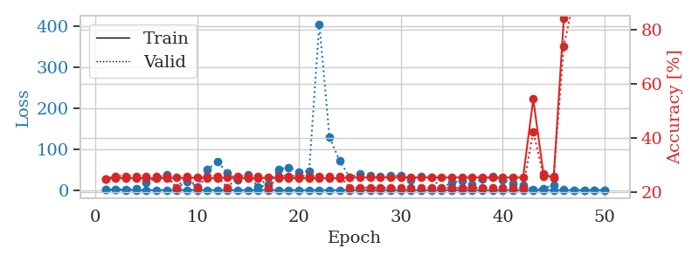
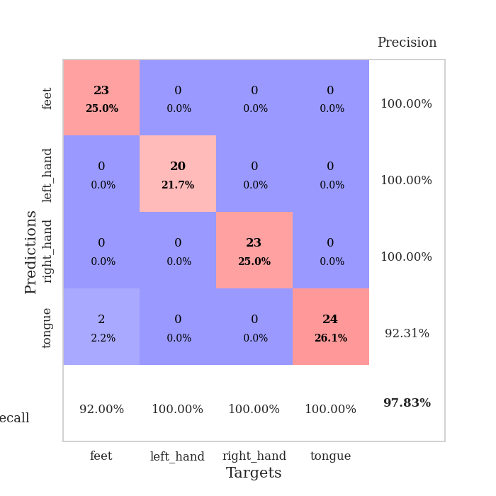
train_loss | valid_loss | train_accuracy | valid_accuracy | dur | train_misclass | valid_misclass
1.1180591091 | 1.3894759468 | 0.25 | 0.25 | 0.087229728699 | 25 | 25
0.68321601593 | 2.0745736205 | 0.2527173913 | 0.26086956522 | 0.085723876953 | 25.27173913 | 26.086956522
0.46940158891 | 2.2590939066 | 0.2527173913 | 0.26086956522 | 0.08617067337 | 25.27173913 | 26.086956522
0.2846397142 | 3.5560751687 | 0.2527173913 | 0.26086956522 | 0.086055040359 | 25.27173913 | 26.086956522
0.29631875196 | 18.754679555 | 0.2527173913 | 0.26086956522 | 0.086087465286 | 25.27173913 | 26.086956522
0.34308945258 | 29.36236705 | 0.2527173913 | 0.26086956522 | 0.086220502853 | 25.27173913 | 26.086956522
0.31665651565 | 38.54962606 | 0.2527173913 | 0.26086956522 | 0.086614608765 | 25.27173913 | 26.086956522
0.23274420218 | 4.0773634496 | 0.25543478261 | 0.21739130435 | 0.086410045624 | 25.543478261 | 21.739130435
0.16842303579 | 21.736330447 | 0.2527173913 | 0.26086956522 | 0.086518287659 | 25.27173913 | 26.086956522
0.21638302691 | 8.1779731668 | 0.25543478261 | 0.21739130435 | 0.086392402649 | 25.543478261 | 21.739130435
0.4347416007 | 49.670540354 | 0.2527173913 | 0.26086956522 | 0.086423397064 | 25.27173913 | 26.086956522
0.27459468547 | 69.458273183 | 0.2527173913 | 0.26086956522 | 0.0864610672 | 25.27173913 | 26.086956522
0.19370089245 | 41.990955021 | 0.25543478261 | 0.21739130435 | 0.08651804924 | 25.543478261 | 21.739130435
0.21483423488 | 25.03709536 | 0.2527173913 | 0.26086956522 | 0.08664226532 | 25.27173913 | 26.086956522
0.24091427401 | 37.974623141 | 0.2527173913 | 0.26086956522 | 0.087007284164 | 25.27173913 | 26.086956522
0.21624332051 | 7.3532474352 | 0.2527173913 | 0.26086956522 | 0.086704730988 | 25.27173913 | 26.086956522
0.13530014949 | 13.692317589 | 0.25543478261 | 0.21739130435 | 0.0866792202 | 25.543478261 | 21.739130435
0.15414640765 | 51.36048574 | 0.2527173913 | 0.26086956522 | 0.086515665054 | 25.27173913 | 26.086956522
0.096791754436 | 55.692833942 | 0.2527173913 | 0.26086956522 | 0.086314439774 | 25.27173913 | 26.086956522
0.16912419458 | 44.399071237 | 0.2527173913 | 0.26086956522 | 0.086539745331 | 25.27173913 | 26.086956522
0.088364883326 | 47.034174214 | 0.2527173913 | 0.26086956522 | 0.086481571198 | 25.27173913 | 26.086956522
0.20727082099 | 405.71161154 | 0.2527173913 | 0.26086956522 | 0.086366176605 | 25.27173913 | 26.086956522
0.10598682873 | 129.8511933 | 0.2527173913 | 0.26086956522 | 0.086764097214 | 25.27173913 | 26.086956522
0.12260851151 | 71.074942547 | 0.2527173913 | 0.26086956522 | 0.08665394783 | 25.27173913 | 26.086956522
0.063290537507 | 31.673215617 | 0.25543478261 | 0.21739130435 | 0.086821317673 | 25.543478261 | 21.739130435
0.079771138849 | 40.577247122 | 0.25543478261 | 0.21739130435 | 0.08645939827 | 25.543478261 | 21.739130435
0.11081440945 | 35.900252798 | 0.25543478261 | 0.21739130435 | 0.086374044418 | 25.543478261 | 21.739130435
0.083353721901 | 34.333417975 | 0.25543478261 | 0.21739130435 | 0.086384057999 | 25.543478261 | 21.739130435
0.076355687393 | 34.680554266 | 0.25543478261 | 0.21739130435 | 0.086336374283 | 25.543478261 | 21.739130435
0.066651874586 | 36.166219131 | 0.25543478261 | 0.21739130435 | 0.086476325989 | 25.543478261 | 21.739130435
0.035902033965 | 25.90772579 | 0.25543478261 | 0.21739130435 | 0.086487770081 | 25.543478261 | 21.739130435
0.058843768455 | 33.924244756 | 0.25543478261 | 0.21739130435 | 0.086430311203 | 25.543478261 | 21.739130435
0.051922288501 | 31.568662395 | 0.25543478261 | 0.21739130435 | 0.086525678635 | 25.543478261 | 21.739130435
0.067113822696 | 4.1543981096 | 0.25543478261 | 0.21739130435 | 0.086423158646 | 25.543478261 | 21.739130435
0.026848474862 | 19.356145527 | 0.25543478261 | 0.21739130435 | 0.086489200592 | 25.543478261 | 21.739130435
0.053917519698 | 22.152556378 | 0.25543478261 | 0.21739130435 | 0.086544036865 | 25.543478261 | 21.739130435
0.0353477282 | 14.956789639 | 0.25543478261 | 0.21739130435 | 0.086505174637 | 25.543478261 | 21.739130435
0.049543355632 | 27.632744084 | 0.25543478261 | 0.21739130435 | 0.086395978928 | 25.543478261 | 21.739130435
0.025198416359 | 33.163116123 | 0.25543478261 | 0.21739130435 | 0.086249828339 | 25.543478261 | 21.739130435
0.043514918837 | 24.181201106 | 0.25543478261 | 0.21739130435 | 0.086497783661 | 25.543478261 | 21.739130435
0.026179529494 | 17.335620051 | 0.25543478261 | 0.21739130435 | 0.086720228195 | 25.543478261 | 21.739130435
0.035084484955 | 12.688749728 | 0.25543478261 | 0.21739130435 | 0.086492300034 | 25.543478261 | 21.739130435
0.020437671459 | 1.620408053 | 0.54347826087 | 0.42391304348 | 0.086507081985 | 54.347826087 | 42.391304348
0.028069915503 | 4.0314941303 | 0.26902173913 | 0.26086956522 | 0.086946725845 | 26.902173913 | 26.086956522
0.050549090071 | 12.368886823 | 0.2527173913 | 0.26086956522 | 0.087117195129 | 25.27173913 | 26.086956522
0.01807417634 | 0.98721513023 | 0.83967391304 | 0.73913043478 | 0.086654663086 | 83.967391304 | 73.913043478
0.015402045131 | 0.30563768099 | 0.9972826087 | 0.91304347826 | 0.086666822433 | 99.72826087 | 91.304347826
0.021552916788 | 0.092087801323 | 1 | 0.97826086957 | 0.086724758148 | 100 | 97.826086957
0.024366768705 | 0.097739518407 | 1 | 0.96739130435 | 0.087113142014 | 100 | 96.739130435
0.040862370014 | 0.10127337131 | 1 | 0.96739130435 | 0.086511135101 | 100 | 96.739130435

Best Val accuracy is 0.9782608695652174 and Best test accuracy is 0.9913793103448276

Sheet4
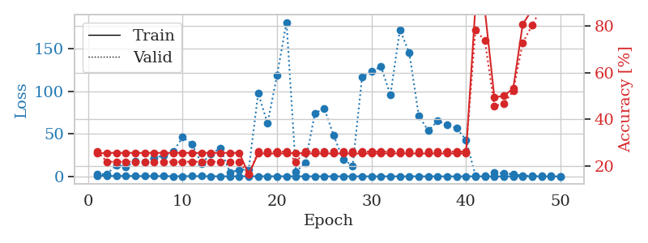
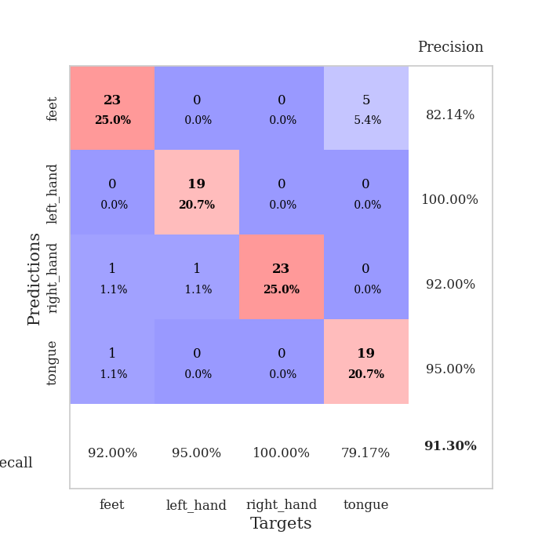
train_loss | valid_loss | train_accuracy | valid_accuracy | dur | train_misclass | valid_misclass
1.1381654662 | 2.190888664 | 0.2527173913 | 0.26086956522 | 0.087421178818 | 25.27173913 | 26.086956522
0.5471974391 | 2.9441025464 | 0.25543478261 | 0.21739130435 | 0.085918426514 | 25.543478261 | 21.739130435
0.49134141012 | 13.268701305 | 0.25543478261 | 0.21739130435 | 0.084313392639 | 25.543478261 | 21.739130435
0.51556118578 | 11.53386908 | 0.25543478261 | 0.21739130435 | 0.084654331207 | 25.543478261 | 21.739130435
0.41495368144 | 17.745942572 | 0.25543478261 | 0.21739130435 | 0.08464717865 | 25.543478261 | 21.739130435
0.2818935818 | 17.08373982 | 0.25543478261 | 0.21739130435 | 0.084597826004 | 25.543478261 | 21.739130435
0.32029763804 | 22.105923943 | 0.25543478261 | 0.21739130435 | 0.084662437439 | 25.543478261 | 21.739130435
0.33358752144 | 24.347570585 | 0.25543478261 | 0.21739130435 | 0.084723472595 | 25.543478261 | 21.739130435
0.22416406655 | 28.994134737 | 0.25543478261 | 0.21739130435 | 0.08491897583 | 25.543478261 | 21.739130435
0.22908192662 | 46.090023704 | 0.25543478261 | 0.21739130435 | 0.084574222565 | 25.543478261 | 21.739130435
0.37351112068 | 37.968764927 | 0.25543478261 | 0.21739130435 | 0.084721565247 | 25.543478261 | 21.739130435
0.2986894684 | 15.047308922 | 0.25543478261 | 0.21739130435 | 0.084787368774 | 25.543478261 | 21.739130435
0.14188806907 | 26.483938383 | 0.25543478261 | 0.21739130435 | 0.084482192993 | 25.543478261 | 21.739130435
0.13997529111 | 33.195900627 | 0.25543478261 | 0.21739130435 | 0.084873199463 | 25.543478261 | 21.739130435
0.10033375049 | 4.8194693068 | 0.25543478261 | 0.21739130435 | 0.084866523743 | 25.543478261 | 21.739130435
0.14827859817 | 7.6011889706 | 0.25543478261 | 0.21739130435 | 0.084957361221 | 25.543478261 | 21.739130435
0.11784731538 | 8.1333082863 | 0.16304347826 | 0.16304347826 | 0.085072755814 | 16.304347826 | 16.304347826
0.14471714587 | 97.776249429 | 0.2527173913 | 0.26086956522 | 0.085081100464 | 25.27173913 | 26.086956522
0.16859761569 | 62.388260385 | 0.2527173913 | 0.26086956522 | 0.088067293167 | 25.27173913 | 26.086956522
0.18112676894 | 119.32424529 | 0.2527173913 | 0.26086956522 | 0.084080696106 | 25.27173913 | 26.086956522
0.1122191392 | 181.4410354 | 0.2527173913 | 0.26086956522 | 0.083948612213 | 25.27173913 | 26.086956522
0.087486295374 | 5.4020371022 | 0.25543478261 | 0.21739130435 | 0.084188222885 | 25.543478261 | 21.739130435
0.10994720495 | 16.105006798 | 0.2527173913 | 0.26086956522 | 0.084274768829 | 25.27173913 | 26.086956522
0.079042430339 | 74.161939206 | 0.2527173913 | 0.26086956522 | 0.08451962471 | 25.27173913 | 26.086956522
0.055546503797 | 80.093765591 | 0.2527173913 | 0.26086956522 | 0.084841966629 | 25.27173913 | 26.086956522
0.099222581125 | 47.96813517 | 0.2527173913 | 0.26086956522 | 0.084491252899 | 25.27173913 | 26.086956522
0.093050559051 | 19.853021788 | 0.2527173913 | 0.26086956522 | 0.084594249725 | 25.27173913 | 26.086956522
0.072116732577 | 12.598815711 | 0.2527173913 | 0.26086956522 | 0.084731578827 | 25.27173913 | 26.086956522
0.10245880636 | 116.75626108 | 0.2527173913 | 0.26086956522 | 0.084567308426 | 25.27173913 | 26.086956522
0.052105156027 | 123.41245004 | 0.2527173913 | 0.26086956522 | 0.08439707756 | 25.27173913 | 26.086956522
0.054186512058 | 129.29971413 | 0.2527173913 | 0.26086956522 | 0.084553956985 | 25.27173913 | 26.086956522
0.027748659931 | 95.850676495 | 0.2527173913 | 0.26086956522 | 0.084899663925 | 25.27173913 | 26.086956522
0.045057862987 | 172.70755801 | 0.2527173913 | 0.26086956522 | 0.084970712662 | 25.27173913 | 26.086956522
0.071947678777 | 145.27896848 | 0.2527173913 | 0.26086956522 | 0.084739923477 | 25.27173913 | 26.086956522
0.064042741969 | 71.449256234 | 0.2527173913 | 0.26086956522 | 0.084626197815 | 25.27173913 | 26.086956522
0.048020591554 | 53.845430457 | 0.2527173913 | 0.26086956522 | 0.084690093994 | 25.27173913 | 26.086956522
0.031315663652 | 65.137836125 | 0.2527173913 | 0.26086956522 | 0.086930990219 | 25.27173913 | 26.086956522
0.03421746114 | 60.937704169 | 0.2527173913 | 0.26086956522 | 0.084341049194 | 25.27173913 | 26.086956522
0.025372304164 | 56.811959308 | 0.2527173913 | 0.26086956522 | 0.084557533264 | 25.27173913 | 26.086956522
0.044813041919 | 43.126270294 | 0.2527173913 | 0.26086956522 | 0.084589004517 | 25.27173913 | 26.086956522
0.047120555122 | 0.80656054681 | 0.88586956522 | 0.78260869565 | 0.084589958191 | 88.586956522 | 78.260869565
0.03426834945 | 0.75429027949 | 0.86956521739 | 0.73913043478 | 0.085574150085 | 86.956521739 | 73.913043478
0.022983598234 | 4.1948801538 | 0.49456521739 | 0.45652173913 | 0.084716081619 | 49.456521739 | 45.652173913
0.010178189178 | 3.6328116293 | 0.5 | 0.46739130435 | 0.084705114365 | 50 | 46.739130435
0.023894385303 | 2.4663496432 | 0.53260869565 | 0.52173913043 | 0.084706306458 | 53.260869565 | 52.173913043
0.03055919046 | 0.92640368057 | 0.80706521739 | 0.72826086957 | 0.086439847946 | 80.706521739 | 72.826086957
0.034486229486 | 0.58568083463 | 0.8722826087 | 0.80434782609 | 0.086315631866 | 87.22826087 | 80.434782609
0.025931826168 | 0.34172812687 | 0.97826086957 | 0.88043478261 | 0.086412906647 | 97.826086957 | 88.043478261
0.01927967735 | 0.2700907507 | 0.98641304348 | 0.88043478261 | 0.086408138275 | 98.641304348 | 88.043478261
0.023500157187 | 0.23146856592 | 1 | 0.91304347826 | 0.086272716522 | 100 | 91.304347826

Best Val accuracy is 0.9130434782608695 and Best test accuracy is 0.9482758620689655

Sheet5
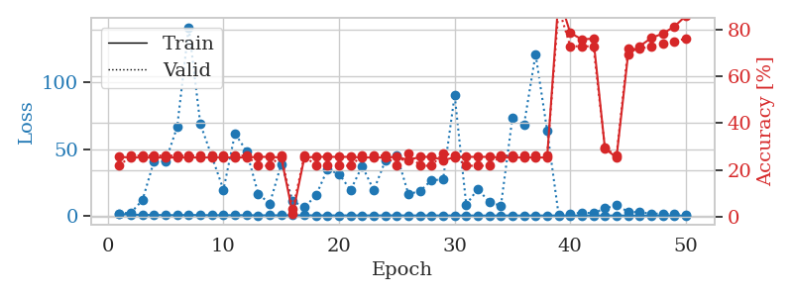
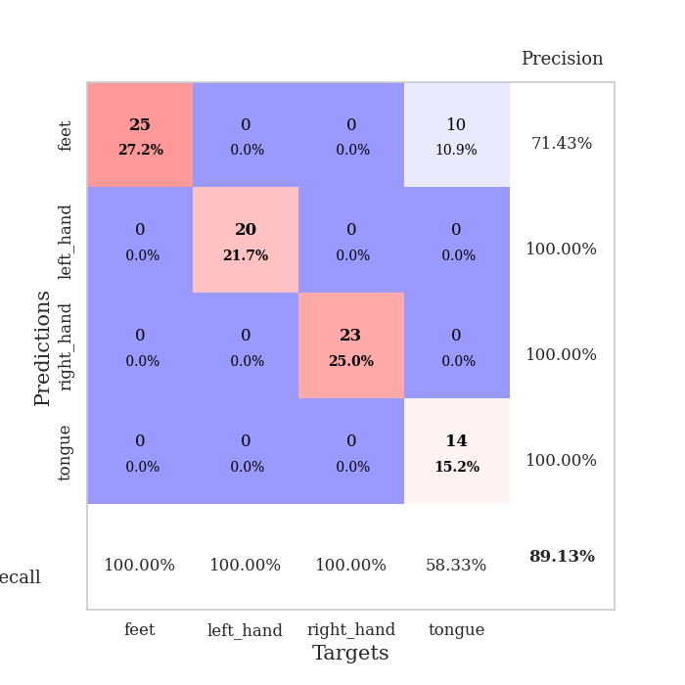
train_loss | valid_loss | train_accuracy | valid_accuracy | dur | train_misclass | valid_misclass
1.1468614184 | 1.6398299103 | 0.25543478261 | 0.21739130435 | 0.087603569031 | 25.543478261 | 21.739130435
0.70598811041 | 2.1745959054 | 0.2527173913 | 0.26086956522 | 0.085556983948 | 25.27173913 | 26.086956522
0.55201464503 | 11.69658806 | 0.2527173913 | 0.26086956522 | 0.085092306137 | 25.27173913 | 26.086956522
0.45512539537 | 41.038072006 | 0.2527173913 | 0.26086956522 | 0.085338354111 | 25.27173913 | 26.086956522
0.38673880761 | 40.846150108 | 0.2527173913 | 0.26086956522 | 0.085760831833 | 25.27173913 | 26.086956522
0.29872885152 | 66.685657999 | 0.2527173913 | 0.26086956522 | 0.08541059494 | 25.27173913 | 26.086956522
0.51980229597 | 141.45583111 | 0.2527173913 | 0.26086956522 | 0.085651159286 | 25.27173913 | 26.086956522
0.33442275226 | 68.850263181 | 0.2527173913 | 0.26086956522 | 0.0854575634 | 25.27173913 | 26.086956522
0.33176096934 | 44.320214811 | 0.2527173913 | 0.26086956522 | 0.085811376572 | 25.27173913 | 26.086956522
0.32734824199 | 19.402410673 | 0.2527173913 | 0.26086956522 | 0.085720777512 | 25.27173913 | 26.086956522
0.28941948809 | 61.556214042 | 0.2527173913 | 0.26086956522 | 0.086024522781 | 25.27173913 | 26.086956522
0.30923560132 | 48.487684333 | 0.2527173913 | 0.26086956522 | 0.085824251175 | 25.27173913 | 26.086956522
0.1966751053 | 16.529056632 | 0.25543478261 | 0.21739130435 | 0.08568406105 | 25.543478261 | 21.739130435
0.22209611567 | 8.8463995146 | 0.25543478261 | 0.21739130435 | 0.085857391357 | 25.543478261 | 21.739130435
0.20503431753 | 38.675215348 | 0.2527173913 | 0.26086956522 | 0.085574626923 | 25.27173913 | 26.086956522
0.2070740056 | 10.940948362 | 0.010869565217 | 0.032608695652 | 0.085684776306 | 1.0869565217 | 3.2608695652
0.22206396601 | 6.1943163042 | 0.2527173913 | 0.26086956522 | 0.085716962814 | 25.27173913 | 26.086956522
0.13702343724 | 15.080739021 | 0.25543478261 | 0.21739130435 | 0.086108922958 | 25.543478261 | 21.739130435
0.11684687994 | 34.699124378 | 0.25543478261 | 0.21739130435 | 0.085987329483 | 25.543478261 | 21.739130435
0.15298330452 | 31.231192381 | 0.25543478261 | 0.21739130435 | 0.085872888565 | 25.543478261 | 21.739130435
0.12580515578 | 19.097725993 | 0.25543478261 | 0.21739130435 | 0.086048841476 | 25.543478261 | 21.739130435
0.14168779026 | 37.206262837 | 0.2527173913 | 0.26086956522 | 0.085578680038 | 25.27173913 | 26.086956522
0.11149813711 | 19.017535915 | 0.2527173913 | 0.26086956522 | 0.086164236069 | 25.27173913 | 26.086956522
0.13635417989 | 41.097987631 | 0.2527173913 | 0.26086956522 | 0.085693597794 | 25.27173913 | 26.086956522
0.1406757531 | 45.260703875 | 0.25543478261 | 0.21739130435 | 0.08572435379 | 25.543478261 | 21.739130435
0.090359603445 | 16.11118441 | 0.24184782609 | 0.27173913043 | 0.085764884949 | 24.184782609 | 27.173913043
0.10933512554 | 18.394414155 | 0.25543478261 | 0.21739130435 | 0.086077451706 | 25.543478261 | 21.739130435
0.095972829549 | 26.594088347 | 0.25543478261 | 0.21739130435 | 0.085782527924 | 25.543478261 | 21.739130435
0.092398190112 | 27.028479369 | 0.24184782609 | 0.27173913043 | 0.086033582687 | 24.184782609 | 27.173913043
0.083836189491 | 90.325731692 | 0.2527173913 | 0.26086956522 | 0.085900783539 | 25.27173913 | 26.086956522
0.062280564539 | 8.2172852806 | 0.25543478261 | 0.21739130435 | 0.087918043137 | 25.543478261 | 21.739130435
0.038723726403 | 19.949316191 | 0.25543478261 | 0.21739130435 | 0.085367918015 | 25.543478261 | 21.739130435
0.021944305247 | 10.139716978 | 0.25543478261 | 0.21739130435 | 0.08526134491 | 25.543478261 | 21.739130435
0.046738458666 | 7.3236578444 | 0.2527173913 | 0.26086956522 | 0.084915161133 | 25.27173913 | 26.086956522
0.063802910624 | 73.733103877 | 0.2527173913 | 0.26086956522 | 0.084747552872 | 25.27173913 | 26.086956522
0.021818089081 | 68.188177026 | 0.2527173913 | 0.26086956522 | 0.084626913071 | 25.27173913 | 26.086956522
0.054613694042 | 121.26196919 | 0.2527173913 | 0.26086956522 | 0.084681510925 | 25.27173913 | 26.086956522
0.054767030479 | 63.918427343 | 0.2527173913 | 0.26086956522 | 0.084906816483 | 25.27173913 | 26.086956522
0.03905519257 | 0.22755191248 | 0.94293478261 | 0.89130434783 | 0.084590673447 | 94.293478261 | 89.130434783
0.043523477208 | 1.2121051407 | 0.78532608696 | 0.72826086957 | 0.084798336029 | 78.532608696 | 72.826086957
0.054280615548 | 2.236483123 | 0.75815217391 | 0.72826086957 | 0.085366249084 | 75.815217391 | 72.826086957
0.035973888741 | 1.805125589 | 0.76086956522 | 0.72826086957 | 0.084746599197 | 76.086956522 | 72.826086957
0.048535141666 | 5.4034845622 | 0.29076086957 | 0.29347826087 | 0.08488535881 | 29.076086957 | 29.347826087
0.022232610419 | 7.7548641122 | 0.2527173913 | 0.26086956522 | 0.084963083267 | 25.27173913 | 26.086956522
0.025369679171 | 2.9283507751 | 0.69293478261 | 0.71739130435 | 0.08462023735 | 69.293478261 | 71.739130435
0.024644464768 | 2.4527302566 | 0.72826086957 | 0.71739130435 | 0.084743738174 | 72.826086957 | 71.739130435
0.046390973188 | 1.5704107259 | 0.76358695652 | 0.72826086957 | 0.084706783295 | 76.358695652 | 72.826086957
0.049507415459 | 1.3731044894 | 0.78260869565 | 0.73913043478 | 0.08500790596 | 78.260869565 | 73.913043478
0.027506194816 | 1.1233040159 | 0.8125 | 0.75 | 0.0846824646 | 81.25 | 75
0.019651941955 | 0.88680849257 | 0.85869565217 | 0.76086956522 | 0.084579706192 | 85.869565217 | 76.086956522

Best Val accuracy is 0.8913043478260869 and Best test accuracy is 0.9224137931034483

Sheet6
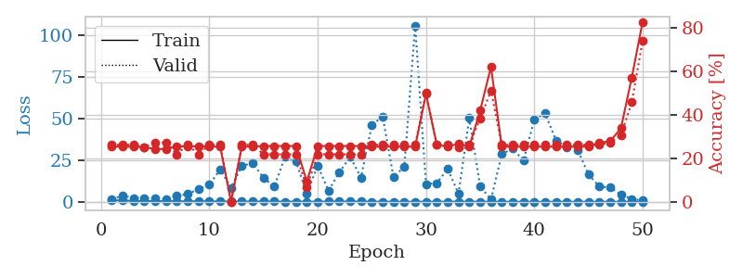
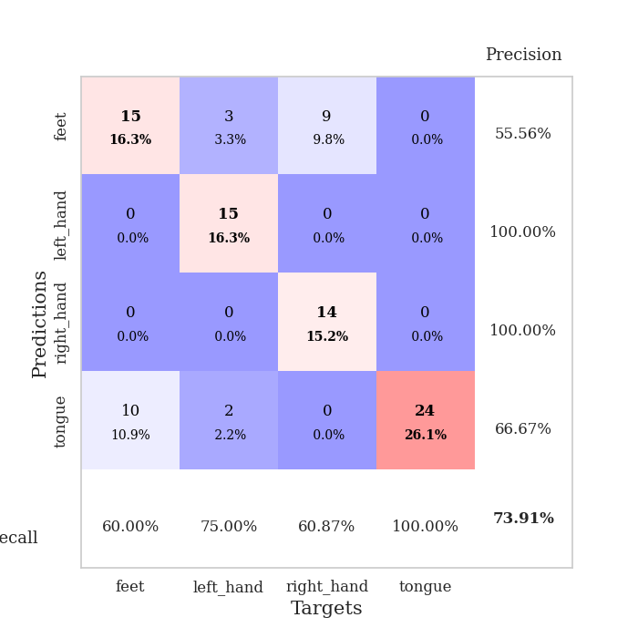
train_loss | valid_loss | train_accuracy | valid_accuracy | dur | train_misclass | valid_misclass
0.99213595494 | 1.6113015621 | 0.2527173913 | 0.26086956522 | 0.086355447769 | 25.27173913 | 26.086956522
0.74617494967 | 3.613772838 | 0.2527173913 | 0.26086956522 | 0.085485935211 | 25.27173913 | 26.086956522
0.52050009823 | 2.3596987828 | 0.2527173913 | 0.26086956522 | 0.085334539413 | 25.27173913 | 26.086956522
0.39270438772 | 2.2121102292 | 0.25 | 0.25 | 0.085689306259 | 25 | 25
0.48304095929 | 1.8514155512 | 0.24184782609 | 0.27173913043 | 0.085840940475 | 24.184782609 | 27.173913043
0.31241701284 | 1.8083152771 | 0.24184782609 | 0.27173913043 | 0.08601140976 | 24.184782609 | 27.173913043
0.32892864019 | 3.599863581 | 0.25543478261 | 0.21739130435 | 0.085830450058 | 25.543478261 | 21.739130435
0.23283359263 | 4.6276876408 | 0.2527173913 | 0.26086956522 | 0.086222887039 | 25.27173913 | 26.086956522
0.30991332654 | 7.5735540805 | 0.25543478261 | 0.21739130435 | 0.085647821426 | 25.543478261 | 21.739130435
0.29342991049 | 10.283967474 | 0.2527173913 | 0.26086956522 | 0.085806846619 | 25.27173913 | 26.086956522
0.2003194544 | 19.379043247 | 0.2527173913 | 0.26086956522 | 0.08601808548 | 25.27173913 | 26.086956522
0.18958206442 | 8.4358826513 | 0 | 0 | 0.085806369781 | 0 | 0
0.15900734099 | 21.523335581 | 0.2527173913 | 0.26086956522 | 0.086075782776 | 25.27173913 | 26.086956522
0.18646900915 | 23.297352998 | 0.2527173913 | 0.26086956522 | 0.085821390152 | 25.27173913 | 26.086956522
0.17146736452 | 14.29183678 | 0.25543478261 | 0.21739130435 | 0.085757017136 | 25.543478261 | 21.739130435
0.15978584455 | 9.2020267404 | 0.25543478261 | 0.21739130435 | 0.086029529572 | 25.543478261 | 21.739130435
0.15102115646 | 27.190197571 | 0.25543478261 | 0.21739130435 | 0.085878610611 | 25.543478261 | 21.739130435
0.13453471191 | 24.068285154 | 0.25543478261 | 0.21739130435 | 0.085880756378 | 25.543478261 | 21.739130435
0.11022466786 | 5.0437717438 | 0.092391304348 | 0.065217391304 | 0.085914611816 | 9.2391304348 | 6.5217391304
0.091098113998 | 21.661756101 | 0.25543478261 | 0.21739130435 | 0.085720539093 | 25.543478261 | 21.739130435
0.15319790302 | 6.7477354796 | 0.25543478261 | 0.21739130435 | 0.086133480072 | 25.543478261 | 21.739130435
0.16090704148 | 17.658051035 | 0.25543478261 | 0.21739130435 | 0.085866451263 | 25.543478261 | 21.739130435
0.19701719972 | 26.947195385 | 0.25543478261 | 0.21739130435 | 0.085784673691 | 25.543478261 | 21.739130435
0.16979932574 | 14.513097887 | 0.25543478261 | 0.21739130435 | 0.085692882538 | 25.543478261 | 21.739130435
0.09924427013 | 46.046943333 | 0.2527173913 | 0.26086956522 | 0.085911512375 | 25.27173913 | 26.086956522
0.072877549253 | 51.128705895 | 0.2527173913 | 0.26086956522 | 0.085884094238 | 25.27173913 | 26.086956522
0.077942267182 | 14.887747765 | 0.2527173913 | 0.26086956522 | 0.086402893066 | 25.27173913 | 26.086956522
0.067354718952 | 20.967738027 | 0.2527173913 | 0.26086956522 | 0.085928201675 | 25.27173913 | 26.086956522
0.070139586723 | 105.73031185 | 0.2527173913 | 0.26086956522 | 0.085815429688 | 25.27173913 | 26.086956522
0.072557207764 | 10.664176982 | 0.49456521739 | 0.5 | 0.08612537384 | 49.456521739 | 50
0.056418351743 | 11.218012229 | 0.26086956522 | 0.26086956522 | 0.086114406586 | 26.086956522 | 26.086956522
0.09664163615 | 19.827545912 | 0.2527173913 | 0.26086956522 | 0.085905075073 | 25.27173913 | 26.086956522
0.10924487236 | 4.8525570579 | 0.26630434783 | 0.25 | 0.085865974426 | 26.630434783 | 25
0.083763936848 | 50.267090341 | 0.2527173913 | 0.26086956522 | 0.085890054703 | 25.27173913 | 26.086956522
0.065828546087 | 9.3863585099 | 0.41847826087 | 0.38043478261 | 0.085816144943 | 41.847826087 | 38.043478261
0.0487260639 | 1.3020063431 | 0.61956521739 | 0.51086956522 | 0.085624694824 | 61.956521739 | 51.086956522
0.037600397082 | 28.717607249 | 0.2527173913 | 0.26086956522 | 0.086014509201 | 25.27173913 | 26.086956522
0.064121500629 | 31.831972205 | 0.2527173913 | 0.26086956522 | 0.08595252037 | 25.27173913 | 26.086956522
0.023453015935 | 24.711214563 | 0.2527173913 | 0.26086956522 | 0.085781335831 | 25.27173913 | 26.086956522
0.038403231296 | 49.307361769 | 0.2527173913 | 0.26086956522 | 0.085866689682 | 25.27173913 | 26.086956522
0.021482460069 | 53.066456173 | 0.2527173913 | 0.26086956522 | 0.085706949234 | 25.27173913 | 26.086956522
0.028923464473 | 36.796963733 | 0.2527173913 | 0.26086956522 | 0.085956573486 | 25.27173913 | 26.086956522
0.035062097215 | 32.84099355 | 0.2527173913 | 0.26086956522 | 0.085852146149 | 25.27173913 | 26.086956522
0.019467331484 | 31.262284735 | 0.2527173913 | 0.26086956522 | 0.086001634598 | 25.27173913 | 26.086956522
0.034083837808 | 16.392255534 | 0.2527173913 | 0.26086956522 | 0.085836172104 | 25.27173913 | 26.086956522
0.028103325592 | 9.1660680771 | 0.27173913043 | 0.26086956522 | 0.085767507553 | 27.173913043 | 26.086956522
0.038218440761 | 8.5308386554 | 0.27717391304 | 0.27173913043 | 0.086165189743 | 27.717391304 | 27.173913043
0.026804291734 | 4.3905680387 | 0.33695652174 | 0.30434782609 | 0.086265802383 | 33.695652174 | 30.434782609
0.036471990676 | 1.6919564734 | 0.57065217391 | 0.45652173913 | 0.086150407791 | 57.065217391 | 45.652173913
0.030032052061 | 0.78298251136 | 0.82608695652 | 0.73913043478 | 0.086000919342 | 82.608695652 | 73.913043478

Best Val accuracy is 0.7391304347826086 and Best test accuracy is 0.7672413793103449

Sheet7
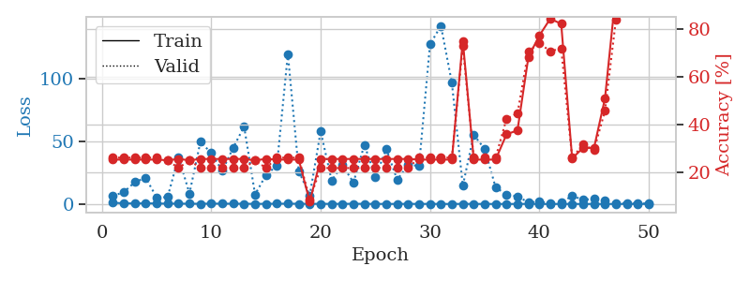
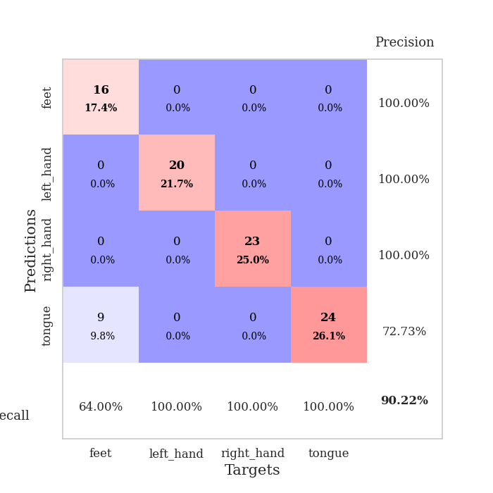
train_loss | valid_loss | train_accuracy | valid_accuracy | dur | train_misclass | valid_misclass
0.95527288447 | 6.4498967502 | 0.2527173913 | 0.26086956522 | 0.086043119431 | 25.27173913 | 26.086956522
0.57189329681 | 9.4949357406 | 0.2527173913 | 0.26086956522 | 0.085629463196 | 25.27173913 | 26.086956522
0.41408936161 | 17.506287367 | 0.2527173913 | 0.26086956522 | 0.085528612137 | 25.27173913 | 26.086956522
0.59675275113 | 20.931030688 | 0.2527173913 | 0.26086956522 | 0.085761785507 | 25.27173913 | 26.086956522
0.34994837447 | 5.2000725788 | 0.2527173913 | 0.26086956522 | 0.085900783539 | 25.27173913 | 26.086956522
0.31250082313 | 5.4573136205 | 0.25 | 0.25 | 0.085470676422 | 25 | 25
0.28216330999 | 37.592957206 | 0.25543478261 | 0.21739130435 | 0.085651159286 | 25.543478261 | 21.739130435
0.22612176917 | 8.4202632697 | 0.25 | 0.25 | 0.086179494858 | 25 | 25
0.17610150559 | 49.700580265 | 0.25543478261 | 0.21739130435 | 0.086438655853 | 25.543478261 | 21.739130435
0.3020061546 | 40.791840595 | 0.25543478261 | 0.21739130435 | 0.084706783295 | 25.543478261 | 21.739130435
0.25689166671 | 26.557171117 | 0.25543478261 | 0.21739130435 | 0.084664344788 | 25.543478261 | 21.739130435
0.23063911789 | 44.998834195 | 0.25543478261 | 0.21739130435 | 0.084665775299 | 25.543478261 | 21.739130435
0.18554525328 | 62.025766787 | 0.25543478261 | 0.21739130435 | 0.08475112915 | 25.543478261 | 21.739130435
0.11437847149 | 7.6123585908 | 0.25 | 0.25 | 0.084337234497 | 25 | 25
0.14059729821 | 23.153186881 | 0.25543478261 | 0.21739130435 | 0.084249973297 | 25.543478261 | 21.739130435
0.22421527441 | 30.849019258 | 0.2527173913 | 0.26086956522 | 0.084489345551 | 25.27173913 | 26.086956522
0.24758496164 | 120.15561411 | 0.2527173913 | 0.26086956522 | 0.084510803223 | 25.27173913 | 26.086956522
0.18965691587 | 26.216873418 | 0.2527173913 | 0.26086956522 | 0.084429740906 | 25.27173913 | 26.086956522
0.079879228876 | 6.792531905 | 0.076086956522 | 0.086956521739 | 0.084550857544 | 7.6086956522 | 8.6956521739
0.1374242126 | 58.204409392 | 0.25543478261 | 0.21739130435 | 0.084712266922 | 25.543478261 | 21.739130435
0.10605027379 | 18.765140616 | 0.25543478261 | 0.21739130435 | 0.084615468979 | 25.543478261 | 21.739130435
0.10377154675 | 31.013470525 | 0.25543478261 | 0.21739130435 | 0.084604740143 | 25.543478261 | 21.739130435
0.18151863363 | 17.20851525 | 0.25543478261 | 0.21739130435 | 0.084230422974 | 25.543478261 | 21.739130435
0.10138414922 | 47.436106143 | 0.25543478261 | 0.21739130435 | 0.084509134293 | 25.543478261 | 21.739130435
0.067381339284 | 21.564990749 | 0.25543478261 | 0.21739130435 | 0.08447265625 | 25.543478261 | 21.739130435
0.067641981361 | 44.005388343 | 0.25543478261 | 0.21739130435 | 0.084908723831 | 25.543478261 | 21.739130435
0.052564653851 | 19.426934367 | 0.25543478261 | 0.21739130435 | 0.084510087967 | 25.543478261 | 21.739130435
0.093761009518 | 31.086330248 | 0.25543478261 | 0.21739130435 | 0.084503173828 | 25.543478261 | 21.739130435
0.072022670343 | 30.687393271 | 0.2527173913 | 0.26086956522 | 0.084481239319 | 25.27173913 | 26.086956522
0.089686194946 | 127.75480022 | 0.2527173913 | 0.26086956522 | 0.084391593933 | 25.27173913 | 26.086956522
0.038692083926 | 142.66017748 | 0.2527173913 | 0.26086956522 | 0.084454059601 | 25.27173913 | 26.086956522
0.045626163776 | 96.973412887 | 0.2527173913 | 0.26086956522 | 0.084439754486 | 25.27173913 | 26.086956522
0.090838336801 | 14.612119426 | 0.75 | 0.72826086957 | 0.084598302841 | 75 | 72.826086957
0.051061694336 | 55.305394712 | 0.2527173913 | 0.26086956522 | 0.084683418274 | 25.27173913 | 26.086956522
0.045861860595 | 44.078405629 | 0.2527173913 | 0.26086956522 | 0.084674596786 | 25.27173913 | 26.086956522
0.029929107668 | 13.364609884 | 0.2527173913 | 0.26086956522 | 0.084538936615 | 25.27173913 | 26.086956522
0.031219607237 | 7.5154356335 | 0.35869565217 | 0.42391304348 | 0.084587812424 | 35.869565217 | 42.391304348
0.034934373815 | 6.0258078575 | 0.375 | 0.44565217391 | 0.084614038467 | 37.5 | 44.565217391
0.0974369076 | 1.3093176821 | 0.68206521739 | 0.70652173913 | 0.084341287613 | 68.206521739 | 70.652173913
0.023536165164 | 1.7244570281 | 0.77173913043 | 0.73913043478 | 0.084600925446 | 77.173913043 | 73.913043478
0.024466665787 | 0.91852336345 | 0.84239130435 | 0.70652173913 | 0.084869384766 | 84.239130435 | 70.652173913
0.043558072935 | 1.1170282033 | 0.82065217391 | 0.71739130435 | 0.084228277206 | 82.065217391 | 71.739130435
0.041916574658 | 6.4822106776 | 0.25815217391 | 0.26086956522 | 0.084630250931 | 25.815217391 | 26.086956522
0.033186146579 | 3.397633169 | 0.30163043478 | 0.3152173913 | 0.084645271301 | 30.163043478 | 31.52173913
0.020899727434 | 4.1108997075 | 0.30163043478 | 0.29347826087 | 0.084800958633 | 30.163043478 | 29.347826087
0.026216743706 | 2.5213414327 | 0.50815217391 | 0.45652173913 | 0.084764957428 | 50.815217391 | 45.652173913
0.032207649801 | 0.77440060432 | 0.95108695652 | 0.83695652174 | 0.084730148315 | 95.108695652 | 83.695652174
0.023493448234 | 0.5291342102 | 1 | 0.88043478261 | 0.084744930267 | 100 | 88.043478261
0.049579750742 | 0.45114431787 | 1 | 0.88043478261 | 0.086417913437 | 100 | 88.043478261
0.043349796268 | 0.40635460645 | 1 | 0.90217391304 | 0.087161779404 | 100 | 90.217391304

Best Val accuracy is 0.9021739130434783 and Best test accuracy is 0.9224137931034483

Sheet8
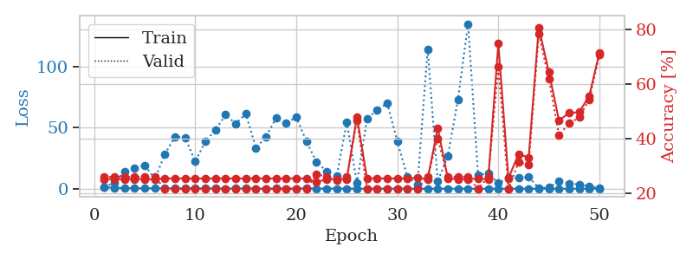
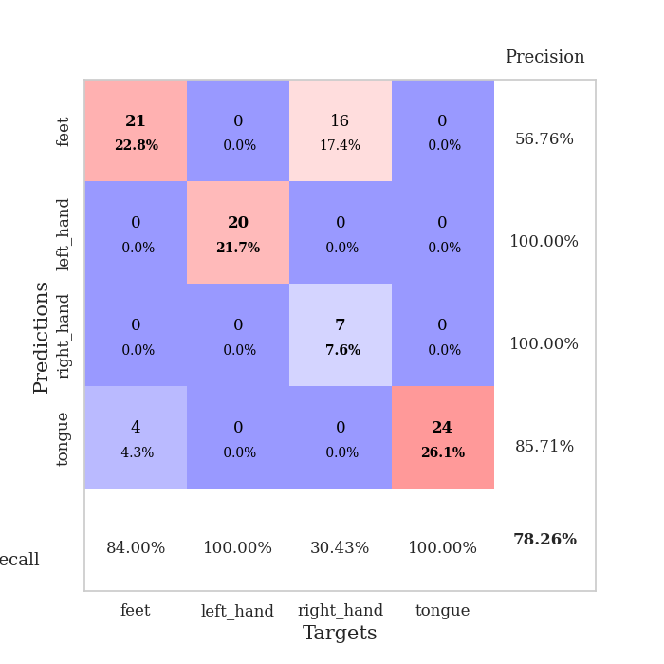
train_loss | valid_loss | train_accuracy | valid_accuracy | dur | train_misclass | valid_misclass
1.139366549 | 1.4021028902 | 0.2527173913 | 0.26086956522 | 0.085297822952 | 25.27173913 | 26.086956522
0.78454251652 | 4.9591362787 | 0.2527173913 | 0.26086956522 | 0.086353063583 | 25.27173913 | 26.086956522
0.5626786727 | 14.208714734 | 0.2527173913 | 0.26086956522 | 0.083864688873 | 25.27173913 | 26.086956522
0.46892739379 | 16.95113435 | 0.2527173913 | 0.26086956522 | 0.084178209305 | 25.27173913 | 26.086956522
0.34929589344 | 19.048136918 | 0.2527173913 | 0.26086956522 | 0.083663225174 | 25.27173913 | 26.086956522
0.35677819731 | 7.8892089802 | 0.2527173913 | 0.26086956522 | 0.083390474319 | 25.27173913 | 26.086956522
0.41795199931 | 28.356140468 | 0.25543478261 | 0.21739130435 | 0.083408117294 | 25.543478261 | 21.739130435
0.31402370301 | 42.557658154 | 0.25543478261 | 0.21739130435 | 0.083484888077 | 25.543478261 | 21.739130435
0.38820209354 | 41.680953814 | 0.25543478261 | 0.21739130435 | 0.083585739136 | 25.543478261 | 21.739130435
0.50967487725 | 22.317817356 | 0.25543478261 | 0.21739130435 | 0.083636522293 | 25.543478261 | 21.739130435
0.25361686799 | 38.718649823 | 0.25543478261 | 0.21739130435 | 0.08386182785 | 25.543478261 | 21.739130435
0.30966706639 | 48.015932332 | 0.25543478261 | 0.21739130435 | 0.083862781525 | 25.543478261 | 21.739130435
0.17625655331 | 60.42144029 | 0.25543478261 | 0.21739130435 | 0.083931922913 | 25.543478261 | 21.739130435
0.19360106349 | 53.166201218 | 0.25543478261 | 0.21739130435 | 0.083835363388 | 25.543478261 | 21.739130435
0.25896366831 | 61.321029 | 0.25543478261 | 0.21739130435 | 0.083913326263 | 25.543478261 | 21.739130435
0.18409294708 | 33.438914589 | 0.25543478261 | 0.21739130435 | 0.083901166916 | 25.543478261 | 21.739130435
0.13045005306 | 42.242072562 | 0.25543478261 | 0.21739130435 | 0.083835840225 | 25.543478261 | 21.739130435
0.19215599666 | 57.909290314 | 0.25543478261 | 0.21739130435 | 0.083865880966 | 25.543478261 | 21.739130435
0.17713409581 | 53.423382303 | 0.25543478261 | 0.21739130435 | 0.083946466446 | 25.543478261 | 21.739130435
0.18258090309 | 58.506549338 | 0.25543478261 | 0.21739130435 | 0.083843946457 | 25.543478261 | 21.739130435
0.26656722399 | 38.816656527 | 0.25543478261 | 0.21739130435 | 0.083898305893 | 25.543478261 | 21.739130435
0.15559994065 | 21.789467604 | 0.24184782609 | 0.27173913043 | 0.083810329437 | 24.184782609 | 27.173913043
0.18354069336 | 14.35080719 | 0.2527173913 | 0.26086956522 | 0.084067106247 | 25.27173913 | 26.086956522
0.14153903561 | 10.376893251 | 0.2527173913 | 0.25 | 0.083948135376 | 25.27173913 | 25
0.12885448106 | 54.519408516 | 0.2527173913 | 0.26086956522 | 0.08678817749 | 25.27173913 | 26.086956522
0.089017111383 | 4.5503650334 | 0.48097826087 | 0.46739130435 | 0.08540058136 | 48.097826087 | 46.739130435
0.051695125805 | 56.959861424 | 0.25543478261 | 0.21739130435 | 0.085855960846 | 25.543478261 | 21.739130435
0.12729716979 | 64.596522787 | 0.25543478261 | 0.21739130435 | 0.085712909698 | 25.543478261 | 21.739130435
0.14405487531 | 69.852579863 | 0.25543478261 | 0.21739130435 | 0.085982322693 | 25.543478261 | 21.739130435
0.086298487104 | 38.649061784 | 0.25543478261 | 0.21739130435 | 0.085737705231 | 25.543478261 | 21.739130435
0.069851765308 | 9.7684875571 | 0.25543478261 | 0.21739130435 | 0.086207389832 | 25.543478261 | 21.739130435
0.055083452491 | 3.7267191514 | 0.25815217391 | 0.21739130435 | 0.085918188095 | 25.815217391 | 21.739130435
0.040613492212 | 114.21082638 | 0.2527173913 | 0.26086956522 | 0.085918188095 | 25.27173913 | 26.086956522
0.052219360368 | 5.887472982 | 0.4402173913 | 0.40217391304 | 0.085870265961 | 44.02173913 | 40.217391304
0.027724584231 | 26.9664028 | 0.25543478261 | 0.26086956522 | 0.086053609848 | 25.543478261 | 26.086956522
0.038927282197 | 72.692604728 | 0.2527173913 | 0.26086956522 | 0.086025238037 | 25.27173913 | 26.086956522
0.03341498728 | 134.75645281 | 0.2527173913 | 0.26086956522 | 0.086120128632 | 25.27173913 | 26.086956522
0.052978341215 | 10.900617309 | 0.25543478261 | 0.21739130435 | 0.085899353027 | 25.543478261 | 21.739130435
0.054770026898 | 12.79543093 | 0.2527173913 | 0.26086956522 | 0.086155653 | 25.27173913 | 26.086956522
0.040706803799 | 4.5205135034 | 0.7472826087 | 0.66304347826 | 0.085912466049 | 74.72826087 | 66.304347826
0.062218946471 | 8.8813691761 | 0.25543478261 | 0.21739130435 | 0.086507797241 | 25.543478261 | 21.739130435
0.044654183738 | 8.7777464701 | 0.34510869565 | 0.3152173913 | 0.086837053299 | 34.510869565 | 31.52173913
0.060668998503 | 9.5079675343 | 0.33152173913 | 0.30434782609 | 0.086648702621 | 33.152173913 | 30.434782609
0.019228228317 | 0.59861184624 | 0.80706521739 | 0.78260869565 | 0.086254358292 | 80.706521739 | 78.260869565
0.040977287926 | 1.0182330557 | 0.64402173913 | 0.61956521739 | 0.086107969284 | 64.402173913 | 61.956521739
0.024181580862 | 5.9568984612 | 0.46739130435 | 0.41304347826 | 0.086113452911 | 46.739130435 | 41.304347826
0.045863681255 | 4.305341337 | 0.49456521739 | 0.45652173913 | 0.086082696915 | 49.456521739 | 45.652173913
0.067149853946 | 3.6253594419 | 0.4972826087 | 0.47826086957 | 0.086066961288 | 49.72826087 | 47.826086957
0.053284609032 | 1.8751121526 | 0.55706521739 | 0.54347826087 | 0.086035251617 | 55.706521739 | 54.347826087
0.022837589151 | 0.75555086265 | 0.71467391304 | 0.70652173913 | 0.086127281189 | 71.467391304 | 70.652173913

Best Val accuracy is 0.782608695652174 and Best test accuracy is 0.853448275862069

Sheet9
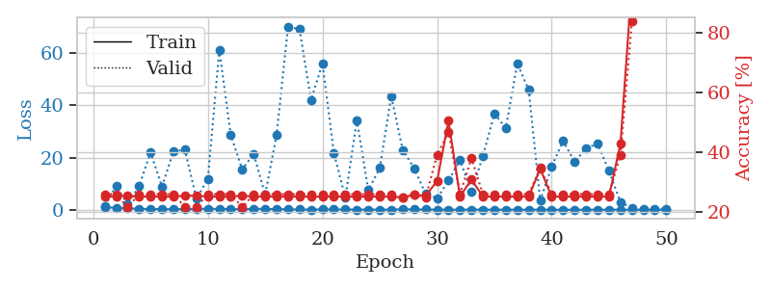

train_loss | valid_loss | train_accuracy | valid_accuracy | dur | train_misclass | valid_misclass
0.99284862176 | 1.4551060718 | 0.2527173913 | 0.26086956522 | 0.08860206604 | 25.27173913 | 26.086956522
0.70749443899 | 9.1541781633 | 0.2527173913 | 0.26086956522 | 0.086465597153 | 25.27173913 | 26.086956522
0.56798176403 | 2.0790726724 | 0.25543478261 | 0.21739130435 | 0.085728168488 | 25.543478261 | 21.739130435
0.41117761349 | 8.9937250303 | 0.2527173913 | 0.26086956522 | 0.085622787476 | 25.27173913 | 26.086956522
0.25463788049 | 21.993733862 | 0.2527173913 | 0.26086956522 | 0.085422277451 | 25.27173913 | 26.086956522
0.28011129991 | 8.8791207023 | 0.2527173913 | 0.26086956522 | 0.085315465927 | 25.27173913 | 26.086956522
0.22655750876 | 22.362648093 | 0.2527173913 | 0.26086956522 | 0.0854139328 | 25.27173913 | 26.086956522
0.27289720114 | 22.967235399 | 0.25543478261 | 0.21739130435 | 0.085427284241 | 25.543478261 | 21.739130435
0.29205707234 | 4.2773113873 | 0.25543478261 | 0.21739130435 | 0.085645198822 | 25.543478261 | 21.739130435
0.46025843311 | 11.752848376 | 0.2527173913 | 0.26086956522 | 0.085678339005 | 25.27173913 | 26.086956522
0.29068345658 | 61.135914678 | 0.2527173913 | 0.26086956522 | 0.085570335388 | 25.27173913 | 26.086956522
0.2748486262 | 28.629454488 | 0.2527173913 | 0.26086956522 | 0.085914611816 | 25.27173913 | 26.086956522
0.18598817896 | 15.384119158 | 0.25543478261 | 0.21739130435 | 0.085623264313 | 25.543478261 | 21.739130435
0.41249026107 | 21.457531224 | 0.2527173913 | 0.26086956522 | 0.085771799088 | 25.27173913 | 26.086956522
0.30133287965 | 5.7489981651 | 0.2527173913 | 0.26086956522 | 0.085484981537 | 25.27173913 | 26.086956522
0.29862814283 | 28.745809472 | 0.2527173913 | 0.26086956522 | 0.085488557816 | 25.27173913 | 26.086956522
0.15236042367 | 70.140399767 | 0.2527173913 | 0.26086956522 | 0.085594654083 | 25.27173913 | 26.086956522
0.12531671993 | 69.094796554 | 0.2527173913 | 0.26086956522 | 0.085543632507 | 25.27173913 | 26.086956522
0.089828576164 | 42.016016421 | 0.2527173913 | 0.26086956522 | 0.085811138153 | 25.27173913 | 26.086956522
0.15008421103 | 55.999803626 | 0.2527173913 | 0.26086956522 | 0.086007356644 | 25.27173913 | 26.086956522
0.12569817524 | 21.680158118 | 0.2527173913 | 0.26086956522 | 0.085685968399 | 25.27173913 | 26.086956522
0.12175434488 | 4.6186000575 | 0.2527173913 | 0.26086956522 | 0.085566043854 | 25.27173913 | 26.086956522
0.07601697504 | 34.332254078 | 0.2527173913 | 0.26086956522 | 0.085425138474 | 25.27173913 | 26.086956522
0.10300937584 | 7.5923913873 | 0.2527173913 | 0.26086956522 | 0.085774183273 | 25.27173913 | 26.086956522
0.062995781322 | 15.984595299 | 0.2527173913 | 0.26086956522 | 0.08610200882 | 25.27173913 | 26.086956522
0.04964274911 | 43.555019379 | 0.2527173913 | 0.26086956522 | 0.085750818253 | 25.27173913 | 26.086956522
0.24503723945 | 22.924657988 | 0.25 | 0.25 | 0.085674524307 | 25 | 25
0.11887090378 | 15.922186022 | 0.25815217391 | 0.26086956522 | 0.086095333099 | 25.815217391 | 26.086956522
0.11331970668 | 6.0974465038 | 0.25543478261 | 0.25 | 0.085750818253 | 25.543478261 | 25
0.074408060972 | 4.372109693 | 0.30434782609 | 0.39130434783 | 0.0857899189 | 30.434782609 | 39.130434783
0.050837467809 | 11.194339918 | 0.50543478261 | 0.46739130435 | 0.086077451706 | 50.543478261 | 46.739130435
0.052669564404 | 19.085325075 | 0.2527173913 | 0.26086956522 | 0.085936069489 | 25.27173913 | 26.086956522
0.076423261882 | 6.776690255 | 0.3097826087 | 0.38043478261 | 0.085618495941 | 30.97826087 | 38.043478261
0.082003231458 | 20.593201015 | 0.2527173913 | 0.26086956522 | 0.085705757141 | 25.27173913 | 26.086956522
0.049829251244 | 36.730287469 | 0.2527173913 | 0.26086956522 | 0.085464715958 | 25.27173913 | 26.086956522
0.043488377465 | 31.350990627 | 0.2527173913 | 0.26086956522 | 0.085770368576 | 25.27173913 | 26.086956522
0.05009044724 | 55.98055881 | 0.2527173913 | 0.26086956522 | 0.085518360138 | 25.27173913 | 26.086956522
0.039995278186 | 45.856319427 | 0.2527173913 | 0.26086956522 | 0.085416555405 | 25.27173913 | 26.086956522
0.029127455003 | 3.4856656738 | 0.34510869565 | 0.34782608696 | 0.085674524307 | 34.510869565 | 34.782608696
0.02608909591 | 16.541759989 | 0.2527173913 | 0.26086956522 | 0.085777759552 | 25.27173913 | 26.086956522
0.026493889097 | 26.364922233 | 0.2527173913 | 0.26086956522 | 0.085892915726 | 25.27173913 | 26.086956522
0.031452140584 | 18.377473043 | 0.2527173913 | 0.26086956522 | 0.085886478424 | 25.27173913 | 26.086956522
0.033298527792 | 23.43619811 | 0.2527173913 | 0.26086956522 | 0.086003065109 | 25.27173913 | 26.086956522
0.043233291038 | 25.348581729 | 0.2527173913 | 0.26086956522 | 0.085777521133 | 25.27173913 | 26.086956522
0.0481507386 | 14.861793725 | 0.2527173913 | 0.26086956522 | 0.085657835007 | 25.27173913 | 26.086956522
0.022271260933 | 2.934574915 | 0.42934782609 | 0.39130434783 | 0.08579826355 | 42.934782609 | 39.130434783
0.027781200901 | 0.63108989175 | 0.96467391304 | 0.83695652174 | 0.085910797119 | 96.467391304 | 83.695652174
0.022647379027 | 0.41264263832 | 0.98913043478 | 0.88043478261 | 0.086084604263 | 98.913043478 | 88.043478261
0.041073797139 | 0.39463027081 | 0.9972826087 | 0.88043478261 | 0.086047172546 | 99.72826087 | 88.043478261
0.028185211269 | 0.37489172897 | 1 | 0.86956521739 | 0.085625171661 | 100 | 86.956521739

Best Val accuracy is 0.8804347826086957 and Best test accuracy is 0.9655172413793104

Sheet10
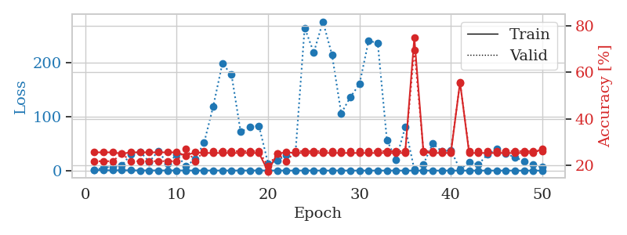
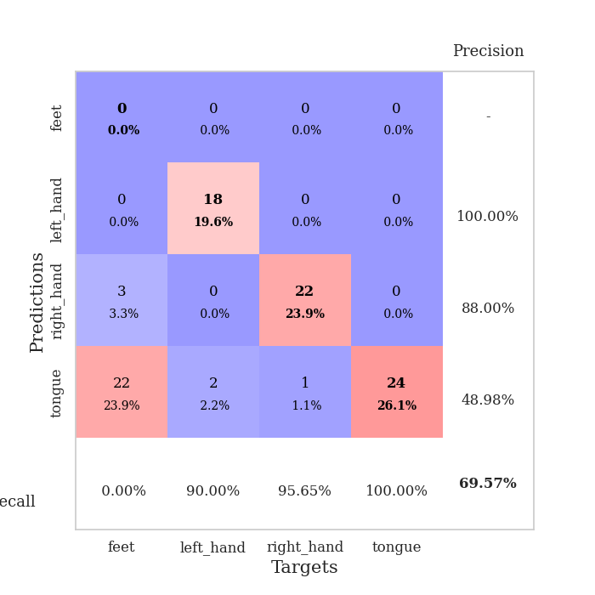
train_loss | valid_loss | train_accuracy | valid_accuracy | dur | train_misclass | valid_misclass
1.1067401404 | 1.4013606103 | 0.25543478261 | 0.21739130435 | 0.08699798584 | 25.543478261 | 21.739130435
0.66325458755 | 5.4020990496 | 0.25543478261 | 0.21739130435 | 0.085365772247 | 25.543478261 | 21.739130435
0.48109911058 | 7.6093274199 | 0.25543478261 | 0.21739130435 | 0.085705280304 | 25.543478261 | 21.739130435
0.59426411015 | 9.7334666045 | 0.25 | 0.25 | 0.085951328278 | 25 | 25
0.41504517781 | 30.659080008 | 0.25543478261 | 0.21739130435 | 0.086359977722 | 25.543478261 | 21.739130435
0.30856171348 | 35.217379197 | 0.25543478261 | 0.21739130435 | 0.086275815964 | 25.543478261 | 21.739130435
0.28777518221 | 16.106765167 | 0.25543478261 | 0.21739130435 | 0.086278438568 | 25.543478261 | 21.739130435
0.29768532936 | 36.602027727 | 0.25543478261 | 0.21739130435 | 0.086262702942 | 25.543478261 | 21.739130435
0.20812299637 | 12.22915355 | 0.25543478261 | 0.21739130435 | 0.086174488068 | 25.543478261 | 21.739130435
0.30995819807 | 30.036180745 | 0.25543478261 | 0.21739130435 | 0.087360858917 | 25.543478261 | 21.739130435
0.2297981758 | 7.6502678083 | 0.24184782609 | 0.27173913043 | 0.086300373077 | 24.184782609 | 27.173913043
0.21465823119 | 21.175073872 | 0.25543478261 | 0.21739130435 | 0.086232423782 | 25.543478261 | 21.739130435
0.13983963033 | 51.630020142 | 0.2527173913 | 0.26086956522 | 0.086709499359 | 25.27173913 | 26.086956522
0.21331368371 | 119.48527859 | 0.2527173913 | 0.26086956522 | 0.086267471313 | 25.27173913 | 26.086956522
0.09780147534 | 199.19212076 | 0.2527173913 | 0.26086956522 | 0.085980892181 | 25.27173913 | 26.086956522
0.10319227132 | 178.3310872 | 0.2527173913 | 0.26086956522 | 0.086260557175 | 25.27173913 | 26.086956522
0.14165455127 | 71.838815772 | 0.2527173913 | 0.26086956522 | 0.086269617081 | 25.27173913 | 26.086956522
0.15424563189 | 81.388875878 | 0.2527173913 | 0.26086956522 | 0.08632516861 | 25.27173913 | 26.086956522
0.23082854834 | 83.382191865 | 0.2527173913 | 0.26086956522 | 0.08615398407 | 25.27173913 | 26.086956522
0.12041579855 | 13.259692938 | 0.17391304348 | 0.19565217391 | 0.086462259293 | 17.391304348 | 19.565217391
0.14292121148 | 18.075074984 | 0.25 | 0.25 | 0.086214065552 | 25 | 25
0.080295966462 | 29.162434371 | 0.25543478261 | 0.21739130435 | 0.086504220963 | 25.543478261 | 21.739130435
0.076826259706 | 33.317681354 | 0.2527173913 | 0.26086956522 | 0.086384296417 | 25.27173913 | 26.086956522
0.16791489858 | 265.52312171 | 0.2527173913 | 0.26086956522 | 0.086003303528 | 25.27173913 | 26.086956522
0.13462282094 | 219.55353049 | 0.2527173913 | 0.26086956522 | 0.086166858673 | 25.27173913 | 26.086956522
0.064638857811 | 277.1750747 | 0.2527173913 | 0.26086956522 | 0.086158752441 | 25.27173913 | 26.086956522
0.026340428537 | 214.87293807 | 0.2527173913 | 0.26086956522 | 0.086227893829 | 25.27173913 | 26.086956522
0.14112591498 | 106.45007988 | 0.2527173913 | 0.26086956522 | 0.086261510849 | 25.27173913 | 26.086956522
0.057759976379 | 136.60791646 | 0.2527173913 | 0.26086956522 | 0.086161613464 | 25.27173913 | 26.086956522
0.034237561135 | 160.82236381 | 0.2527173913 | 0.26086956522 | 0.086025238037 | 25.27173913 | 26.086956522
0.081111335449 | 241.4988954 | 0.2527173913 | 0.26086956522 | 0.08611869812 | 25.27173913 | 26.086956522
0.064838324613 | 237.04372705 | 0.2527173913 | 0.26086956522 | 0.086085319519 | 25.27173913 | 26.086956522
0.080688011812 | 56.759640735 | 0.2527173913 | 0.26086956522 | 0.086418390274 | 25.27173913 | 26.086956522
0.043939714209 | 20.472219799 | 0.2527173913 | 0.26086956522 | 0.086442232132 | 25.27173913 | 26.086956522
0.032124862199 | 80.561080269 | 0.2527173913 | 0.26086956522 | 0.086520433426 | 25.27173913 | 26.086956522
0.026139133572 | 1.9975822905 | 0.75 | 0.69565217391 | 0.086391925812 | 75 | 69.565217391
0.034732736885 | 11.840411062 | 0.25543478261 | 0.26086956522 | 0.08646774292 | 25.543478261 | 26.086956522
0.019004959481 | 50.144469551 | 0.2527173913 | 0.26086956522 | 0.086164712906 | 25.27173913 | 26.086956522
0.023656759857 | 35.87859444 | 0.2527173913 | 0.26086956522 | 0.086197853088 | 25.27173913 | 26.086956522
0.018874129792 | 37.890814906 | 0.2527173913 | 0.26086956522 | 0.086248636246 | 25.27173913 | 26.086956522
0.029236471736 | 2.0093045079 | 0.55706521739 | 0.55434782609 | 0.086076259613 | 55.706521739 | 55.434782609
0.023500701063 | 15.251078564 | 0.2527173913 | 0.26086956522 | 0.086529254913 | 25.27173913 | 26.086956522
0.018953882558 | 11.421154851 | 0.2527173913 | 0.26086956522 | 0.086438655853 | 25.27173913 | 26.086956522
0.037971662952 | 29.559875239 | 0.2527173913 | 0.26086956522 | 0.086317062378 | 25.27173913 | 26.086956522
0.031110929209 | 40.392757747 | 0.2527173913 | 0.26086956522 | 0.086275815964 | 25.27173913 | 26.086956522
0.042963529323 | 31.370741803 | 0.2527173913 | 0.26086956522 | 0.086349248886 | 25.27173913 | 26.086956522
0.01897316281 | 24.792774615 | 0.2527173913 | 0.26086956522 | 0.086384534836 | 25.27173913 | 26.086956522
0.02224962305 | 17.408212952 | 0.2527173913 | 0.26086956522 | 0.086635112762 | 25.27173913 | 26.086956522
0.019004459137 | 10.983427338 | 0.2527173913 | 0.26086956522 | 0.086442708969 | 25.27173913 | 26.086956522
0.010850462394 | 6.3185593356 | 0.27173913043 | 0.26086956522 | 0.086300134659 | 27.173913043 | 26.086956522

Best Val accuracy is 0.6956521739130435 and Best test accuracy is 0.7241379310344828

