Sheet
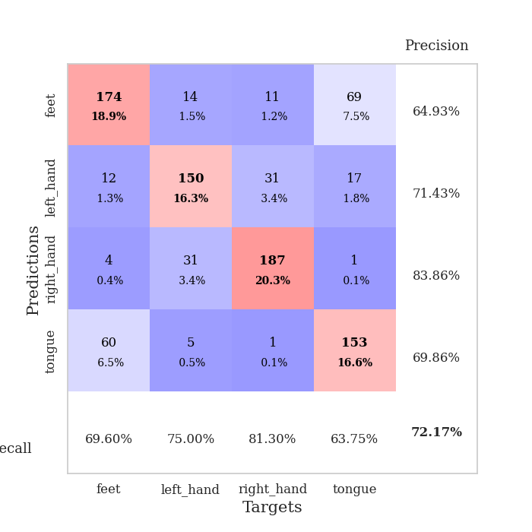

best_val_acc | best_val_los | best_test_acc
0.76086956522 | 0.81693914533 | 0.68103448276
0.6847826087 | 0.97580547242 | 0.60344827586
0.72826086957 | 0.84774174509 | 0.62931034483
0.76086956522 | 0.70743885377 | 0.56896551724
0.72826086957 | 0.77016318039 | 0.65517241379
0.6847826087 | 0.98590630034 | 0.56896551724
0.67391304348 | 0.90531353264 | 0.64655172414
0.73913043478 | 0.79350093914 | 0.62068965517
0.72826086957 | 0.81531989834 | 0.59482758621
0.72826086957 | 0.84757250159 | 0.62068965517

Mean,std Val accuracy is 0.7217391304347827 , 0.03082905418287341 and mean, std test accuracy is 0.6189655172413793 , 0.036302555626100574

Sheet1
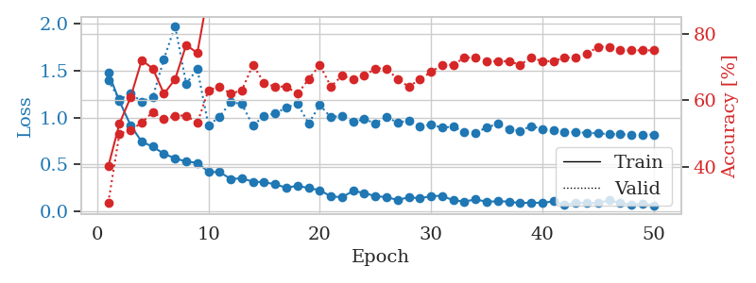
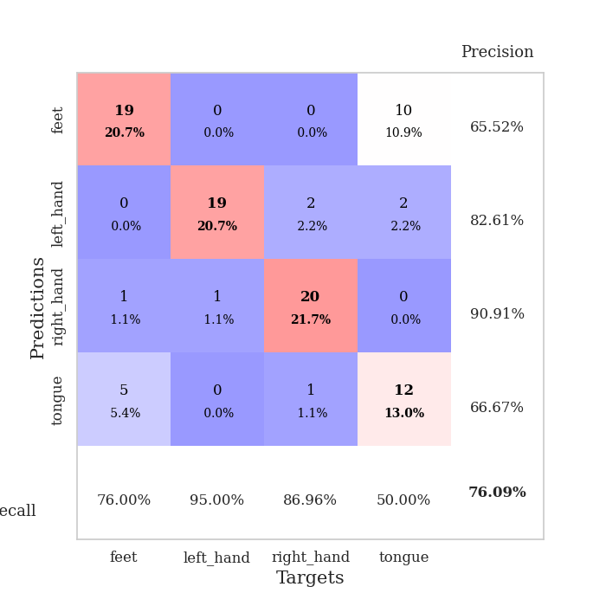
train_loss | valid_loss | train_accuracy | valid_accuracy | dur | train_misclass | valid_misclass
1.476950179 | 1.3963613251 | 0.40217391304 | 0.29347826087 | 0.088838100433 | 40.217391304 | 29.347826087
1.1744943417 | 1.1915659179 | 0.52989130435 | 0.5 | 0.087921142578 | 52.989130435 | 50
0.91839316876 | 1.2528185844 | 0.60869565217 | 0.51086956522 | 0.085431337357 | 60.869565217 | 51.086956522
0.74262918597 | 1.1710210831 | 0.72010869565 | 0.53260869565 | 0.083992481232 | 72.010869565 | 53.260869565
0.68944203983 | 1.2191330881 | 0.69565217391 | 0.5652173913 | 0.084110021591 | 69.565217391 | 56.52173913
0.61338699641 | 1.6230296493 | 0.61956521739 | 0.54347826087 | 0.083347320557 | 61.956521739 | 54.347826087
0.5655872472 | 1.9744635639 | 0.66304347826 | 0.55434782609 | 0.082489967346 | 66.304347826 | 55.434782609
0.53128132354 | 1.3588717709 | 0.76630434783 | 0.55434782609 | 0.082581520081 | 76.630434783 | 55.434782609
0.51859794622 | 1.5164818725 | 0.74184782609 | 0.53260869565 | 0.08239531517 | 74.184782609 | 53.260869565
0.42169613942 | 0.91606670488 | 0.92663043478 | 0.63043478261 | 0.081847429276 | 92.663043478 | 63.043478261
0.41868877411 | 1.0084150809 | 0.95652173913 | 0.64130434783 | 0.082348585129 | 95.652173913 | 64.130434783
0.34698841753 | 1.1640927293 | 0.92934782609 | 0.61956521739 | 0.081785202026 | 92.934782609 | 61.956521739
0.35133377689 | 1.1425089383 | 0.92391304348 | 0.63043478261 | 0.080546140671 | 92.391304348 | 63.043478261
0.31725733209 | 0.91180423485 | 0.97010869565 | 0.70652173913 | 0.08113861084 | 97.010869565 | 70.652173913
0.31168121747 | 1.0206718127 | 0.95923913043 | 0.65217391304 | 0.080467939377 | 95.923913043 | 65.217391304
0.28885888794 | 1.0424711801 | 0.95923913043 | 0.64130434783 | 0.080901861191 | 95.923913043 | 64.130434783
0.2529361491 | 1.1071083649 | 0.97282608696 | 0.64130434783 | 0.08148598671 | 97.282608696 | 64.130434783
0.27314202876 | 1.1467176047 | 0.94836956522 | 0.61956521739 | 0.081523895264 | 94.836956522 | 61.956521739
0.2486932242 | 0.93648274502 | 0.98913043478 | 0.66304347826 | 0.082917451859 | 98.913043478 | 66.304347826
0.22679466965 | 1.132022732 | 0.92663043478 | 0.70652173913 | 0.08184170723 | 92.663043478 | 70.652173913
0.16022778464 | 1.0025461187 | 0.98641304348 | 0.64130434783 | 0.08149600029 | 98.641304348 | 64.130434783
0.15184695266 | 1.0199821831 | 0.95108695652 | 0.67391304348 | 0.081463336945 | 95.108695652 | 67.391304348
0.21803668271 | 0.95186116255 | 0.98641304348 | 0.66304347826 | 0.081569910049 | 98.641304348 | 66.304347826
0.19716217029 | 0.98323910975 | 0.99184782609 | 0.67391304348 | 0.081727981567 | 99.184782609 | 67.391304348
0.16193180159 | 0.93721493949 | 0.9972826087 | 0.69565217391 | 0.082979440689 | 99.72826087 | 69.565217391
0.15270322772 | 1.0056339133 | 0.99456521739 | 0.69565217391 | 0.081502199173 | 99.456521739 | 69.565217391
0.12157846372 | 0.94513368347 | 1 | 0.66304347826 | 0.081400871277 | 100 | 66.304347826
0.15159355687 | 0.9686692059 | 0.9972826087 | 0.64130434783 | 0.081469774246 | 99.72826087 | 64.130434783
0.13907087967 | 0.90956405842 | 0.9972826087 | 0.66304347826 | 0.081403017044 | 99.72826087 | 66.304347826
0.16377149814 | 0.92179281427 | 0.9972826087 | 0.6847826087 | 0.081515312195 | 99.72826087 | 68.47826087
0.16655241277 | 0.89229002206 | 1 | 0.70652173913 | 0.081634998322 | 100 | 70.652173913
0.11824283773 | 0.90288393264 | 1 | 0.70652173913 | 0.081233978271 | 100 | 70.652173913
0.10644739939 | 0.84587422272 | 0.99456521739 | 0.72826086957 | 0.081211805344 | 99.456521739 | 72.826086957
0.12771198963 | 0.83643110161 | 1 | 0.72826086957 | 0.081147909164 | 100 | 72.826086957
0.10432967114 | 0.89421565248 | 1 | 0.71739130435 | 0.081388711929 | 100 | 71.739130435
0.10830303622 | 0.93177249769 | 1 | 0.71739130435 | 0.081492900848 | 100 | 71.739130435
0.10584025385 | 0.87556994868 | 1 | 0.71739130435 | 0.081520557404 | 100 | 71.739130435
0.088038370398 | 0.85779292039 | 1 | 0.70652173913 | 0.081349849701 | 100 | 70.652173913
0.094843118856 | 0.90889551717 | 1 | 0.72826086957 | 0.081429004669 | 100 | 72.826086957
0.090545658346 | 0.87843380415 | 1 | 0.71739130435 | 0.081496715546 | 100 | 71.739130435
0.10820996877 | 0.8646162554 | 1 | 0.71739130435 | 0.081390857697 | 100 | 71.739130435
0.067980478882 | 0.84762601619 | 1 | 0.72826086957 | 0.081429481506 | 100 | 72.826086957
0.088458820935 | 0.84220614381 | 1 | 0.72826086957 | 0.08168387413 | 100 | 72.826086957
0.090470424246 | 0.83766707778 | 1 | 0.73913043478 | 0.081433773041 | 100 | 73.913043478
0.087277193027 | 0.83094590125 | 1 | 0.76086956522 | 0.081771373749 | 100 | 76.086956522
0.11940703804 | 0.82340772903 | 1 | 0.76086956522 | 0.080996513367 | 100 | 76.086956522
0.09156076687 | 0.82060644938 | 1 | 0.75 | 0.081204891205 | 100 | 75
0.070607951377 | 0.81942090392 | 1 | 0.75 | 0.083458900452 | 100 | 75
0.084370055236 | 0.81824288161 | 1 | 0.75 | 0.081681251526 | 100 | 75
0.064456487844 | 0.81693914533 | 1 | 0.75 | 0.081213235855 | 100 | 75

Best Val accuracy is 0.7608695652173914 and Best test accuracy is 0.6810344827586207

Sheet2
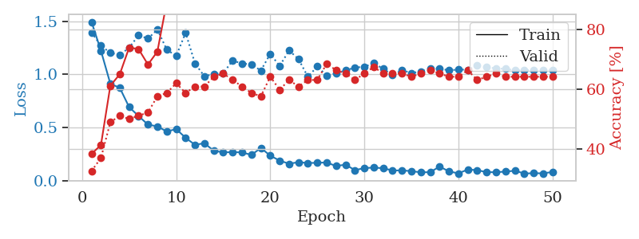
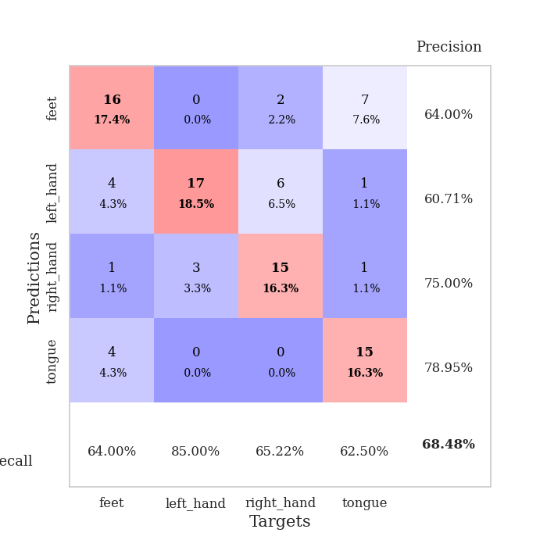
train_loss | valid_loss | train_accuracy | valid_accuracy | dur | train_misclass | valid_misclass
1.4925214519 | 1.3938894427 | 0.38315217391 | 0.32608695652 | 0.081778049469 | 38.315217391 | 32.608695652
1.221401282 | 1.2689853596 | 0.41304347826 | 0.36956521739 | 0.07982301712 | 41.304347826 | 36.956521739
0.91053644471 | 1.2010496725 | 0.61141304348 | 0.48913043478 | 0.079915761948 | 61.141304348 | 48.913043478
0.87225513614 | 1.1817391515 | 0.64945652174 | 0.51086956522 | 0.079939842224 | 64.945652174 | 51.086956522
0.69039787806 | 1.2500831355 | 0.73913043478 | 0.5 | 0.080005407333 | 73.913043478 | 50
0.60698710188 | 1.3663830952 | 0.73369565217 | 0.51086956522 | 0.079999923706 | 73.369565217 | 51.086956522
0.52562154311 | 1.3357825487 | 0.68206521739 | 0.52173913043 | 0.080605268478 | 68.206521739 | 52.173913043
0.50951879698 | 1.4202056501 | 0.72554347826 | 0.57608695652 | 0.080087661743 | 72.554347826 | 57.608695652
0.46095657478 | 1.2313634572 | 0.89130434783 | 0.58695652174 | 0.079996824265 | 89.130434783 | 58.695652174
0.48384744058 | 1.172463408 | 0.89130434783 | 0.61956521739 | 0.08217716217 | 89.130434783 | 61.956521739
0.40191597006 | 1.3898779854 | 0.875 | 0.58695652174 | 0.081615447998 | 87.5 | 58.695652174
0.33540711196 | 1.1015443543 | 0.91304347826 | 0.60869565217 | 0.081295967102 | 91.304347826 | 60.869565217
0.35141841095 | 0.98069754113 | 0.92119565217 | 0.60869565217 | 0.08177447319 | 92.119565217 | 60.869565217
0.27897043267 | 1.0031915663 | 0.96739130435 | 0.64130434783 | 0.081760644913 | 96.739130435 | 64.130434783
0.26494040599 | 1.0108201925 | 0.97282608696 | 0.65217391304 | 0.08149266243 | 97.282608696 | 65.217391304
0.2669652681 | 1.1284337277 | 0.98369565217 | 0.63043478261 | 0.081598043442 | 98.369565217 | 63.043478261
0.26459789616 | 1.1012294156 | 0.97826086957 | 0.60869565217 | 0.081362724304 | 97.826086957 | 60.869565217
0.24057214545 | 1.0927211092 | 0.97826086957 | 0.58695652174 | 0.081804513931 | 97.826086957 | 58.695652174
0.30645701386 | 1.0344941409 | 0.97282608696 | 0.57608695652 | 0.08188867569 | 97.282608696 | 57.608695652
0.23349861801 | 1.1918360513 | 0.98369565217 | 0.64130434783 | 0.081657648087 | 98.369565217 | 64.130434783
0.18724705473 | 1.0779453088 | 0.9972826087 | 0.59782608696 | 0.081644296646 | 99.72826087 | 59.782608696
0.15750904114 | 1.2235465102 | 0.99184782609 | 0.63043478261 | 0.081565380096 | 99.184782609 | 63.043478261
0.17265467613 | 1.1435039976 | 1 | 0.60869565217 | 0.081789016724 | 100 | 60.869565217
0.16454328467 | 0.97580547242 | 0.9972826087 | 0.63043478261 | 0.081626176834 | 99.72826087 | 63.043478261
0.16649100873 | 1.0730770127 | 1 | 0.63043478261 | 0.081557035446 | 100 | 63.043478261
0.1697072207 | 0.98737824287 | 0.98913043478 | 0.6847826087 | 0.081614971161 | 98.913043478 | 68.47826087
0.13551193063 | 1.0085853954 | 0.9972826087 | 0.66304347826 | 0.081615209579 | 99.72826087 | 66.304347826
0.14971867074 | 1.0360453207 | 0.9972826087 | 0.65217391304 | 0.081528663635 | 99.72826087 | 65.217391304
0.097071956762 | 1.0626224286 | 0.9972826087 | 0.63043478261 | 0.08126950264 | 99.72826087 | 63.043478261
0.11705899757 | 1.0706748418 | 1 | 0.65217391304 | 0.081689834595 | 100 | 65.217391304
0.12120281597 | 1.1034809325 | 1 | 0.67391304348 | 0.081221818924 | 100 | 67.391304348
0.11588622192 | 1.0526506531 | 1 | 0.65217391304 | 0.081623077393 | 100 | 65.217391304
0.093954089705 | 0.99313173346 | 1 | 0.65217391304 | 0.081842660904 | 100 | 65.217391304
0.095331022151 | 1.0378640015 | 1 | 0.65217391304 | 0.081784009933 | 100 | 65.217391304
0.087935306294 | 1.0122909462 | 1 | 0.64130434783 | 0.081741809845 | 100 | 64.130434783
0.076948534495 | 1.0249873128 | 1 | 0.65217391304 | 0.081715583801 | 100 | 65.217391304
0.078301117634 | 1.0566681623 | 1 | 0.66304347826 | 0.081630468369 | 100 | 66.304347826
0.13097639981 | 1.0547171028 | 1 | 0.65217391304 | 0.081484079361 | 100 | 65.217391304
0.085614548672 | 1.0354917185 | 1 | 0.64130434783 | 0.081585645676 | 100 | 64.130434783
0.067170857735 | 1.0451387925 | 1 | 0.64130434783 | 0.081771850586 | 100 | 64.130434783
0.10322488901 | 1.0413066622 | 1 | 0.66304347826 | 0.081710577011 | 100 | 66.304347826
0.097531519263 | 1.0810774351 | 1 | 0.63043478261 | 0.081766366959 | 100 | 63.043478261
0.078396869459 | 1.0669524987 | 1 | 0.64130434783 | 0.081767082214 | 100 | 64.130434783
0.078013932575 | 1.0549612246 | 1 | 0.65217391304 | 0.081837654114 | 100 | 65.217391304
0.083573642146 | 1.0504659758 | 1 | 0.64130434783 | 0.081799507141 | 100 | 64.130434783
0.091994883655 | 1.0370148129 | 1 | 0.64130434783 | 0.081760883331 | 100 | 64.130434783
0.066071607253 | 1.0376413627 | 1 | 0.64130434783 | 0.081609249115 | 100 | 64.130434783
0.068340445788 | 1.0403437608 | 1 | 0.64130434783 | 0.081725597382 | 100 | 64.130434783
0.067492785985 | 1.0414556258 | 1 | 0.64130434783 | 0.081512928009 | 100 | 64.130434783
0.079921515335 | 1.0421320375 | 1 | 0.64130434783 | 0.082024812698 | 100 | 64.130434783

Best Val accuracy is 0.6847826086956522 and Best test accuracy is 0.603448275862069

Sheet3
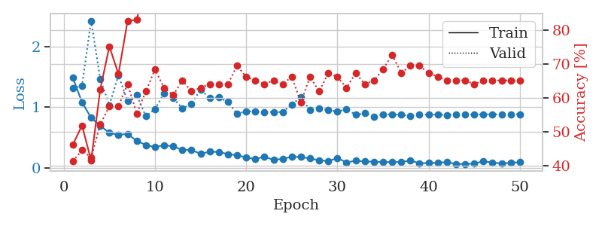
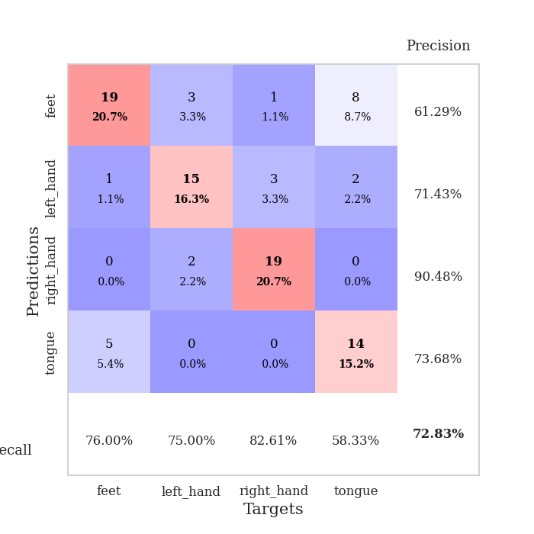
train_loss | valid_loss | train_accuracy | valid_accuracy | dur | train_misclass | valid_misclass
1.4852797363 | 1.310660072 | 0.46195652174 | 0.41304347826 | 0.082840204239 | 46.195652174 | 41.304347826
1.0826172207 | 1.3555740299 | 0.51902173913 | 0.44565217391 | 0.081393003464 | 51.902173913 | 44.565217391
0.82559769568 | 2.4273643442 | 0.41576086957 | 0.42391304348 | 0.081027269363 | 41.576086957 | 42.391304348
0.69617866304 | 1.467619204 | 0.625 | 0.52173913043 | 0.081048250198 | 62.5 | 52.173913043
0.57581456589 | 1.0346340563 | 0.7527173913 | 0.57608695652 | 0.081458806992 | 75.27173913 | 57.608695652
0.54403957854 | 1.5264430875 | 0.67119565217 | 0.57608695652 | 0.081579208374 | 67.119565217 | 57.608695652
0.55731959576 | 1.0986729316 | 0.82880434783 | 0.64130434783 | 0.081167221069 | 82.880434783 | 64.130434783
0.44585144261 | 1.2019149298 | 0.83152173913 | 0.55434782609 | 0.081465959549 | 83.152173913 | 55.434782609
0.37593364327 | 0.84891279236 | 0.94565217391 | 0.61956521739 | 0.081335067749 | 94.565217391 | 61.956521739
0.34315944625 | 0.96911013645 | 0.91847826087 | 0.6847826087 | 0.084239959717 | 91.847826087 | 68.47826087
0.37290650768 | 1.2270536604 | 0.86956521739 | 0.63043478261 | 0.080946683884 | 86.956521739 | 63.043478261
0.35444035413 | 1.1529188454 | 0.89945652174 | 0.60869565217 | 0.080480337143 | 89.945652174 | 60.869565217
0.29341403168 | 0.98040562091 | 0.96739130435 | 0.65217391304 | 0.081157207489 | 96.739130435 | 65.217391304
0.29519908908 | 1.0551323852 | 0.97010869565 | 0.61956521739 | 0.08128285408 | 97.010869565 | 61.956521739
0.23020829681 | 1.2902863933 | 0.9402173913 | 0.63043478261 | 0.081197977066 | 94.02173913 | 63.043478261
0.2666817531 | 1.1506663114 | 0.96739130435 | 0.64130434783 | 0.081448554993 | 96.739130435 | 64.130434783
0.26200594332 | 1.1596942298 | 0.97826086957 | 0.64130434783 | 0.080796957016 | 97.826086957 | 64.130434783
0.22510656212 | 1.0873468453 | 0.98097826087 | 0.64130434783 | 0.082812786102 | 98.097826087 | 64.130434783
0.20857199071 | 0.89075199677 | 0.98369565217 | 0.69565217391 | 0.080712556839 | 98.369565217 | 69.565217391
0.16924875829 | 0.9325651047 | 0.99456521739 | 0.66304347826 | 0.080790519714 | 99.456521739 | 66.304347826
0.14463389608 | 0.92687031368 | 0.99456521739 | 0.65217391304 | 0.080581188202 | 99.456521739 | 65.217391304
0.18325556977 | 0.9228483296 | 0.97826086957 | 0.64130434783 | 0.081431865692 | 97.826086957 | 64.130434783
0.13029498996 | 0.9209257157 | 1 | 0.65217391304 | 0.082993745804 | 100 | 65.217391304
0.14726550262 | 0.92046752054 | 1 | 0.64130434783 | 0.083043575287 | 100 | 64.130434783
0.18200159429 | 1.0444661755 | 0.98097826087 | 0.66304347826 | 0.082996368408 | 98.097826087 | 66.304347826
0.17915694189 | 1.1657330355 | 0.99456521739 | 0.58695652174 | 0.083119869232 | 99.456521739 | 58.695652174
0.15312246314 | 0.95205931042 | 1 | 0.66304347826 | 0.082581758499 | 100 | 66.304347826
0.12404797975 | 0.9735705697 | 1 | 0.61956521739 | 0.084924459457 | 100 | 61.956521739
0.11068841127 | 0.95745439763 | 0.9972826087 | 0.67391304348 | 0.084434986115 | 99.72826087 | 67.391304348
0.16075628753 | 0.92517212681 | 0.99456521739 | 0.66304347826 | 0.083640575409 | 99.456521739 | 66.304347826
0.088958554132 | 0.97058383926 | 1 | 0.63043478261 | 0.081788301468 | 100 | 63.043478261
0.11616460436 | 0.87453212751 | 1 | 0.67391304348 | 0.081599473953 | 100 | 67.391304348
0.10509484905 | 0.89882597716 | 1 | 0.64130434783 | 0.081069231033 | 100 | 64.130434783
0.10137537308 | 0.84774174509 | 1 | 0.65217391304 | 0.080875635147 | 100 | 65.217391304
0.09473099596 | 0.88363591355 | 1 | 0.6847826087 | 0.081010580063 | 100 | 68.47826087
0.094193982163 | 0.88148837115 | 1 | 0.72826086957 | 0.081142187119 | 100 | 72.826086957
0.095926671896 | 0.87694289373 | 1 | 0.67391304348 | 0.081447839737 | 100 | 67.391304348
0.11879367146 | 0.85457891485 | 1 | 0.69565217391 | 0.081194162369 | 100 | 69.565217391
0.076320186824 | 0.88272415944 | 1 | 0.69565217391 | 0.08127784729 | 100 | 69.565217391
0.078022443244 | 0.87740023758 | 1 | 0.67391304348 | 0.08130645752 | 100 | 67.391304348
0.082116870695 | 0.88077307914 | 1 | 0.66304347826 | 0.081207036972 | 100 | 66.304347826
0.094422646758 | 0.87066569536 | 1 | 0.65217391304 | 0.081300497055 | 100 | 65.217391304
0.062275841366 | 0.88154951451 | 1 | 0.65217391304 | 0.081290006638 | 100 | 65.217391304
0.063121180172 | 0.87720914898 | 1 | 0.65217391304 | 0.081614494324 | 100 | 65.217391304
0.069819645308 | 0.87961745262 | 1 | 0.64130434783 | 0.081691265106 | 100 | 64.130434783
0.10871243975 | 0.8826435921 | 1 | 0.65217391304 | 0.081480503082 | 100 | 65.217391304
0.087216222456 | 0.8823721059 | 1 | 0.65217391304 | 0.081526041031 | 100 | 65.217391304
0.071844792317 | 0.883884623 | 1 | 0.65217391304 | 0.081597805023 | 100 | 65.217391304
0.082166926854 | 0.88410190137 | 1 | 0.65217391304 | 0.081589460373 | 100 | 65.217391304
0.092215629456 | 0.88426474644 | 1 | 0.65217391304 | 0.081630468369 | 100 | 65.217391304

Best Val accuracy is 0.7282608695652174 and Best test accuracy is 0.6293103448275862

Sheet4
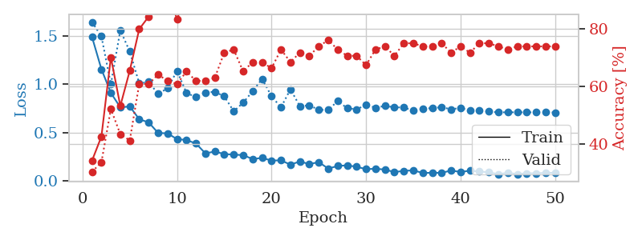
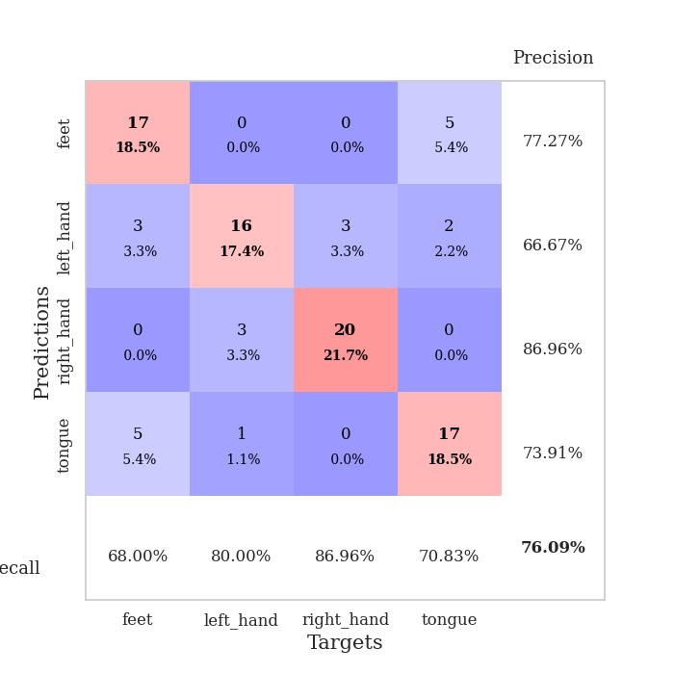
train_loss | valid_loss | train_accuracy | valid_accuracy | dur | train_misclass | valid_misclass
1.4881034364 | 1.6406835421 | 0.34239130435 | 0.30434782609 | 0.082321405411 | 34.239130435 | 30.434782609
1.1535155177 | 1.4928966139 | 0.42663043478 | 0.33695652174 | 0.080768346786 | 42.663043478 | 33.695652174
0.90940639506 | 0.99767734434 | 0.70108695652 | 0.52173913043 | 0.080884456635 | 70.108695652 | 52.173913043
0.75942452317 | 1.5544474954 | 0.53260869565 | 0.4347826087 | 0.081096887589 | 53.260869565 | 43.47826087
0.76941356711 | 1.3361933024 | 0.65489130435 | 0.41304347826 | 0.081029415131 | 65.489130435 | 41.304347826
0.63759489163 | 1.0072616676 | 0.79891304348 | 0.60869565217 | 0.081701517105 | 79.891304348 | 60.869565217
0.6041520821 | 1.0214646718 | 0.84239130435 | 0.60869565217 | 0.081074953079 | 84.239130435 | 60.869565217
0.49607445235 | 0.89890192643 | 0.90217391304 | 0.64130434783 | 0.081372022629 | 90.217391304 | 64.130434783
0.49086907312 | 0.95697287632 | 0.92663043478 | 0.61956521739 | 0.081881761551 | 92.663043478 | 61.956521739
0.43205215037 | 1.1356801779 | 0.83423913043 | 0.60869565217 | 0.081142663956 | 83.423913043 | 60.869565217
0.42272036879 | 0.90905482614 | 0.91847826087 | 0.65217391304 | 0.081706523895 | 91.847826087 | 65.217391304
0.38677134009 | 0.86458089818 | 0.96739130435 | 0.61956521739 | 0.081602334976 | 96.739130435 | 61.956521739
0.28535369039 | 0.91406638726 | 0.93206521739 | 0.61956521739 | 0.081040382385 | 93.206521739 | 61.956521739
0.3033771787 | 0.92011703745 | 0.96195652174 | 0.63043478261 | 0.081804990768 | 96.195652174 | 63.043478261
0.27796329882 | 0.87344928993 | 0.96467391304 | 0.71739130435 | 0.081500291824 | 96.467391304 | 71.739130435
0.27193704215 | 0.71908420065 | 0.97282608696 | 0.72826086957 | 0.081619024277 | 97.282608696 | 72.826086957
0.26690980889 | 0.80799112501 | 0.97826086957 | 0.65217391304 | 0.081204891205 | 97.826086957 | 65.217391304
0.2261974588 | 0.92613720505 | 0.97010869565 | 0.6847826087 | 0.081100463867 | 97.010869565 | 68.47826087
0.23798142924 | 1.0526593859 | 0.9402173913 | 0.6847826087 | 0.081223011017 | 94.02173913 | 68.47826087
0.21064193126 | 0.87505794219 | 0.98369565217 | 0.66304347826 | 0.081331968307 | 98.369565217 | 66.304347826
0.21296344357 | 0.75901470625 | 0.99456521739 | 0.72826086957 | 0.081252574921 | 99.456521739 | 72.826086957
0.16831377456 | 0.94666033206 | 0.97010869565 | 0.6847826087 | 0.080729007721 | 97.010869565 | 68.47826087
0.20161973466 | 0.77151286472 | 0.98097826087 | 0.71739130435 | 0.080738306046 | 98.097826087 | 71.739130435
0.17396484056 | 0.78020225401 | 0.99456521739 | 0.70652173913 | 0.081650495529 | 99.456521739 | 70.652173913
0.19476012221 | 0.73448557957 | 1 | 0.73913043478 | 0.081413269043 | 100 | 73.913043478
0.12756354038 | 0.73314298236 | 0.9972826087 | 0.76086956522 | 0.081705093384 | 99.72826087 | 76.086956522
0.15486496914 | 0.824666193 | 0.99184782609 | 0.72826086957 | 0.081283092499 | 99.184782609 | 72.826086957
0.16129597374 | 0.75189289321 | 1 | 0.70652173913 | 0.080945491791 | 100 | 70.652173913
0.14662969906 | 0.73869103712 | 1 | 0.70652173913 | 0.0816822052 | 100 | 70.652173913
0.12206313225 | 0.78604389792 | 1 | 0.67391304348 | 0.081298351288 | 100 | 67.391304348
0.12595349226 | 0.75663404102 | 1 | 0.72826086957 | 0.081337451935 | 100 | 72.826086957
0.11788864831 | 0.774138886 | 1 | 0.73913043478 | 0.081304550171 | 100 | 73.913043478
0.091759839946 | 0.7608055887 | 1 | 0.70652173913 | 0.081219434738 | 100 | 70.652173913
0.10434018667 | 0.75803071649 | 1 | 0.75 | 0.081474781036 | 100 | 75
0.10994306798 | 0.72472009711 | 1 | 0.75 | 0.081441402435 | 100 | 75
0.082283559012 | 0.74273068231 | 1 | 0.73913043478 | 0.081681251526 | 100 | 73.913043478
0.084963230902 | 0.75305966968 | 1 | 0.73913043478 | 0.082662582397 | 100 | 73.913043478
0.083815335256 | 0.76095431784 | 1 | 0.75 | 0.08164024353 | 100 | 75
0.10811602073 | 0.74012112488 | 1 | 0.71739130435 | 0.081096887589 | 100 | 71.739130435
0.092911326407 | 0.75375874146 | 1 | 0.73913043478 | 0.081050634384 | 100 | 73.913043478
0.1062291616 | 0.72829697573 | 1 | 0.71739130435 | 0.081454515457 | 100 | 71.739130435
0.097203584266 | 0.72510179618 | 1 | 0.75 | 0.080921888351 | 100 | 75
0.089390198417 | 0.71641577845 | 1 | 0.75 | 0.081049442291 | 100 | 75
0.069871673887 | 0.70831726297 | 1 | 0.73913043478 | 0.08141708374 | 100 | 73.913043478
0.08452765348 | 0.7086661471 | 1 | 0.72826086957 | 0.081486940384 | 100 | 72.826086957
0.07122754338 | 0.70896569413 | 1 | 0.73913043478 | 0.081622838974 | 100 | 73.913043478
0.079832542607 | 0.70834337758 | 1 | 0.73913043478 | 0.081221580505 | 100 | 73.913043478
0.079255124999 | 0.7082136986 | 1 | 0.73913043478 | 0.081159353256 | 100 | 73.913043478
0.083594511385 | 0.70786113843 | 1 | 0.73913043478 | 0.080963134766 | 100 | 73.913043478
0.084419111519 | 0.70743885377 | 1 | 0.73913043478 | 0.080861568451 | 100 | 73.913043478

Best Val accuracy is 0.7608695652173914 and Best test accuracy is 0.5689655172413793

Sheet5
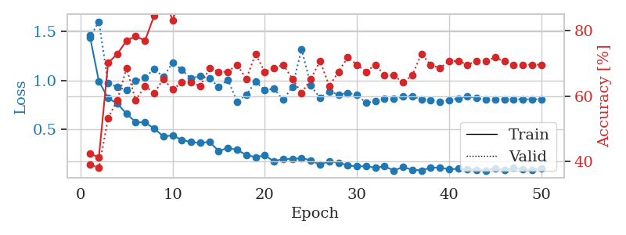
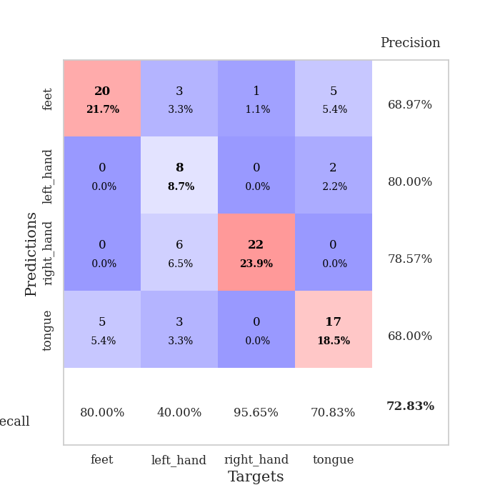
train_loss | valid_loss | train_accuracy | valid_accuracy | dur | train_misclass | valid_misclass
1.459334814 | 1.4337244811 | 0.42391304348 | 0.39130434783 | 0.082942485809 | 42.391304348 | 39.130434783
0.98978189282 | 1.5992164767 | 0.41304347826 | 0.38043478261 | 0.08139705658 | 41.304347826 | 38.043478261
0.8192421457 | 0.97152163412 | 0.70108695652 | 0.53260869565 | 0.081100702286 | 70.108695652 | 53.260869565
0.76326977688 | 0.9345174665 | 0.72826086957 | 0.58695652174 | 0.081506967545 | 72.826086957 | 58.695652174
0.6600276763 | 0.89844980188 | 0.76902173913 | 0.6847826087 | 0.081294298172 | 76.902173913 | 68.47826087
0.57424745093 | 0.99432743114 | 0.78260869565 | 0.58695652174 | 0.081291437149 | 78.260869565 | 58.695652174
0.57101265114 | 1.0277679951 | 0.76902173913 | 0.63043478261 | 0.080997943878 | 76.902173913 | 63.043478261
0.50924260914 | 1.1173850272 | 0.84510869565 | 0.60869565217 | 0.08154463768 | 84.510869565 | 60.869565217
0.42773086416 | 1.0339209256 | 0.90489130435 | 0.65217391304 | 0.081815719604 | 90.489130435 | 65.217391304
0.43968797119 | 1.1813705045 | 0.83152173913 | 0.61956521739 | 0.081521987915 | 83.152173913 | 61.956521739
0.39319419731 | 1.1063136407 | 0.91304347826 | 0.64130434783 | 0.081456422806 | 91.304347826 | 64.130434783
0.37140604238 | 1.0185273963 | 0.91304347826 | 0.64130434783 | 0.081045627594 | 91.304347826 | 64.130434783
0.36198704787 | 1.0475018245 | 0.89945652174 | 0.63043478261 | 0.080963134766 | 89.945652174 | 63.043478261
0.37327720938 | 1.0240042365 | 0.92391304348 | 0.6847826087 | 0.081300497055 | 92.391304348 | 68.47826087
0.28018976651 | 0.93087013001 | 0.95380434783 | 0.67391304348 | 0.081175804138 | 95.380434783 | 67.391304348
0.31107365405 | 1.0050559329 | 0.92934782609 | 0.67391304348 | 0.081290245056 | 92.934782609 | 67.391304348
0.29236992999 | 0.78448457433 | 0.98913043478 | 0.69565217391 | 0.081254243851 | 98.913043478 | 69.565217391
0.2389033508 | 0.85080276365 | 0.99456521739 | 0.65217391304 | 0.081271648407 | 99.456521739 | 65.217391304
0.21734158954 | 0.98757961522 | 0.98097826087 | 0.72826086957 | 0.081032276154 | 98.097826087 | 72.826086957
0.23561528422 | 0.90065446237 | 0.97554347826 | 0.67391304348 | 0.081699132919 | 97.554347826 | 67.391304348
0.17473409066 | 0.91499981802 | 0.9972826087 | 0.6847826087 | 0.081440448761 | 99.72826087 | 68.47826087
0.19948610016 | 0.80148054076 | 1 | 0.69565217391 | 0.081456661224 | 100 | 69.565217391
0.19829711302 | 0.93571736502 | 0.99184782609 | 0.65217391304 | 0.085441112518 | 99.184782609 | 65.217391304
0.20735807004 | 1.3185950388 | 0.91576086957 | 0.60869565217 | 0.081070661545 | 91.576086957 | 60.869565217
0.18477485167 | 0.94478922111 | 0.98641304348 | 0.65217391304 | 0.08112859726 | 98.641304348 | 65.217391304
0.13893445225 | 0.82268331362 | 0.98913043478 | 0.70652173913 | 0.081267356873 | 98.913043478 | 70.652173913
0.178095412 | 0.88514764931 | 1 | 0.63043478261 | 0.081479787827 | 100 | 63.043478261
0.16066026898 | 0.85558828258 | 0.9972826087 | 0.67391304348 | 0.081974983215 | 99.72826087 | 67.391304348
0.13312121594 | 0.87190010431 | 1 | 0.71739130435 | 0.08175110817 | 100 | 71.739130435
0.12253726873 | 0.85191232679 | 0.99184782609 | 0.69565217391 | 0.081764221191 | 99.184782609 | 69.565217391
0.12500621897 | 0.77016318039 | 0.9972826087 | 0.67391304348 | 0.081672668457 | 99.72826087 | 67.391304348
0.10975571957 | 0.79234417107 | 1 | 0.69565217391 | 0.081561803818 | 100 | 69.565217391
0.12315792696 | 0.81116568783 | 1 | 0.66304347826 | 0.081619739532 | 100 | 66.304347826
0.082073387002 | 0.81633548439 | 0.9972826087 | 0.66304347826 | 0.081811904907 | 99.72826087 | 66.304347826
0.11575146546 | 0.83423847154 | 1 | 0.64130434783 | 0.081661701202 | 100 | 64.130434783
0.089125394011 | 0.83795613115 | 1 | 0.66304347826 | 0.08163523674 | 100 | 66.304347826
0.082373804048 | 0.80725102062 | 1 | 0.72826086957 | 0.081219434738 | 100 | 72.826086957
0.11019856592 | 0.79658033278 | 1 | 0.69565217391 | 0.08171081543 | 100 | 69.565217391
0.11119827652 | 0.783243949 | 1 | 0.6847826087 | 0.081552267075 | 100 | 68.47826087
0.092938619949 | 0.79976032091 | 1 | 0.70652173913 | 0.08137845993 | 100 | 70.652173913
0.099798242562 | 0.81625660671 | 1 | 0.70652173913 | 0.081535339355 | 100 | 70.652173913
0.093063601819 | 0.83766100523 | 1 | 0.69565217391 | 0.082039117813 | 100 | 69.565217391
0.085614571186 | 0.81772066199 | 1 | 0.70652173913 | 0.081502914429 | 100 | 70.652173913
0.080580505138 | 0.80390504132 | 1 | 0.70652173913 | 0.081650495529 | 100 | 70.652173913
0.10537488495 | 0.80810266992 | 1 | 0.71739130435 | 0.081653356552 | 100 | 71.739130435
0.08299436898 | 0.80874756173 | 1 | 0.70652173913 | 0.08145737648 | 100 | 70.652173913
0.10673560818 | 0.80829674848 | 1 | 0.69565217391 | 0.081689357758 | 100 | 69.565217391
0.092635440883 | 0.80655594235 | 1 | 0.69565217391 | 0.081548929214 | 100 | 69.565217391
0.085171658951 | 0.80703963987 | 1 | 0.69565217391 | 0.081426382065 | 100 | 69.565217391
0.10477741581 | 0.80727180644 | 1 | 0.69565217391 | 0.081334590912 | 100 | 69.565217391

Best Val accuracy is 0.7282608695652174 and Best test accuracy is 0.6551724137931034

Sheet6
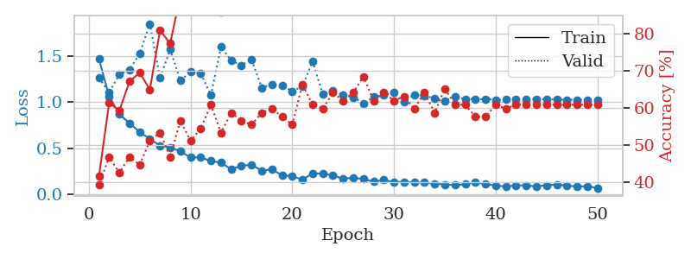
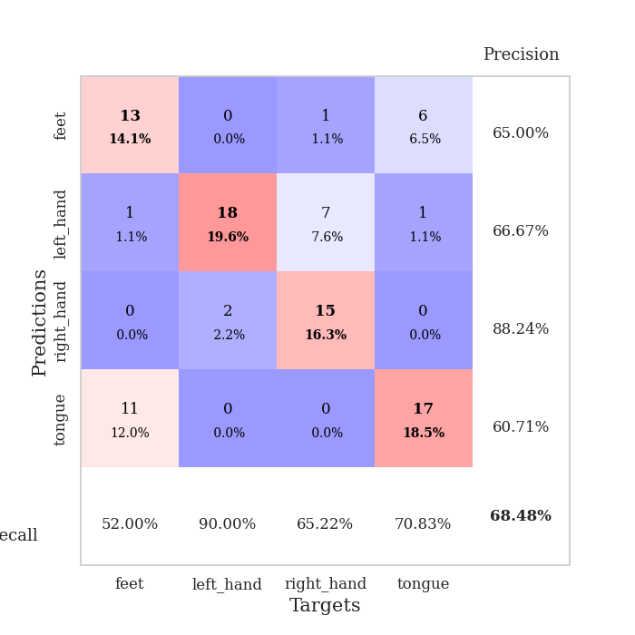
train_loss | valid_loss | train_accuracy | valid_accuracy | dur | train_misclass | valid_misclass
1.4707977953 | 1.2673238723 | 0.41576086957 | 0.39130434783 | 0.082572221756 | 41.576086957 | 39.130434783
1.0637164816 | 1.1048837745 | 0.61413043478 | 0.46739130435 | 0.081120252609 | 61.413043478 | 46.739130435
0.86841776578 | 1.3038063905 | 0.59239130435 | 0.42391304348 | 0.081791162491 | 59.239130435 | 42.391304348
0.77345062598 | 1.3549602317 | 0.67119565217 | 0.46739130435 | 0.081484794617 | 67.119565217 | 46.739130435
0.67405850732 | 1.5286273645 | 0.69565217391 | 0.44565217391 | 0.081651926041 | 69.565217391 | 44.565217391
0.60174471399 | 1.855746277 | 0.64945652174 | 0.51086956522 | 0.081720590591 | 64.945652174 | 51.086956522
0.52667328327 | 1.2639025709 | 0.8097826087 | 0.53260869565 | 0.08170747757 | 80.97826087 | 53.260869565
0.50983297695 | 1.5747207611 | 0.77445652174 | 0.46739130435 | 0.081230640411 | 77.445652174 | 46.739130435
0.46448944703 | 1.2372334003 | 0.90489130435 | 0.5652173913 | 0.081376314163 | 90.489130435 | 56.52173913
0.39920753824 | 1.3321176664 | 0.86413043478 | 0.51086956522 | 0.081675767899 | 86.413043478 | 51.086956522
0.39826918944 | 1.3193290441 | 0.89945652174 | 0.54347826087 | 0.081249237061 | 89.945652174 | 54.347826087
0.36078002336 | 1.0758568735 | 0.94293478261 | 0.60869565217 | 0.08157324791 | 94.293478261 | 60.869565217
0.34124214688 | 1.6061073101 | 0.85869565217 | 0.53260869565 | 0.081504821777 | 85.869565217 | 53.260869565
0.27127969654 | 1.4545332608 | 0.89130434783 | 0.58695652174 | 0.081197500229 | 89.130434783 | 58.695652174
0.3082649792 | 1.4030122161 | 0.92119565217 | 0.5652173913 | 0.081622362137 | 92.119565217 | 56.52173913
0.31947760316 | 1.4662965458 | 0.91304347826 | 0.55434782609 | 0.08163189888 | 91.304347826 | 55.434782609
0.25478308615 | 1.1595542625 | 0.98913043478 | 0.58695652174 | 0.081573486328 | 98.913043478 | 58.695652174
0.27012661877 | 1.1971721338 | 0.97282608696 | 0.59782608696 | 0.081391572952 | 97.282608696 | 59.782608696
0.20356065845 | 1.1843032215 | 0.95108695652 | 0.57608695652 | 0.081442594528 | 95.108695652 | 57.608695652
0.19615480045 | 1.1216881172 | 0.99184782609 | 0.55434782609 | 0.081406593323 | 99.184782609 | 55.434782609
0.15557669314 | 1.17201455 | 0.96195652174 | 0.66304347826 | 0.081306934357 | 96.195652174 | 66.304347826
0.22653443625 | 1.4472114703 | 0.94565217391 | 0.60869565217 | 0.081340789795 | 94.565217391 | 60.869565217
0.22045476524 | 1.0859539185 | 0.99456521739 | 0.59782608696 | 0.081899881363 | 99.456521739 | 59.782608696
0.20559731887 | 1.1241642768 | 0.96467391304 | 0.64130434783 | 0.08176112175 | 96.467391304 | 64.130434783
0.16450746503 | 1.0791040348 | 0.97826086957 | 0.61956521739 | 0.081298589706 | 97.826086957 | 61.956521739
0.17955261939 | 1.0544805566 | 0.9972826087 | 0.64130434783 | 0.081685304642 | 99.72826087 | 64.130434783
0.16287098129 | 0.98590630034 | 0.9972826087 | 0.6847826087 | 0.081472873688 | 99.72826087 | 68.47826087
0.13447979765 | 1.0582820955 | 0.99456521739 | 0.61956521739 | 0.081609249115 | 99.456521739 | 61.956521739
0.15423436783 | 1.0762225908 | 1 | 0.64130434783 | 0.081157207489 | 100 | 64.130434783
0.13012690899 | 1.1043047218 | 1 | 0.61956521739 | 0.081651210785 | 100 | 61.956521739
0.13380700747 | 1.0076486961 | 1 | 0.63043478261 | 0.081611394882 | 100 | 63.043478261
0.1264566652 | 1.0804637735 | 1 | 0.59782608696 | 0.081570386887 | 100 | 59.782608696
0.12562268065 | 1.0736468525 | 1 | 0.64130434783 | 0.081609010696 | 100 | 64.130434783
0.11378327385 | 1.0397765533 | 1 | 0.58695652174 | 0.081542491913 | 100 | 58.695652174
0.10433840557 | 1.0179713563 | 1 | 0.65217391304 | 0.081588506699 | 100 | 65.217391304
0.098021308972 | 1.0588062522 | 1 | 0.60869565217 | 0.081532716751 | 100 | 60.869565217
0.10820261178 | 1.0359417161 | 1 | 0.60869565217 | 0.081645727158 | 100 | 60.869565217
0.12648151515 | 1.0337012423 | 1 | 0.57608695652 | 0.081628322601 | 100 | 57.608695652
0.1086458678 | 1.0339241222 | 1 | 0.57608695652 | 0.081630468369 | 100 | 57.608695652
0.092807578085 | 1.0269001994 | 1 | 0.60869565217 | 0.081878185272 | 100 | 60.869565217
0.08222765516 | 1.0297477647 | 1 | 0.59782608696 | 0.081682920456 | 100 | 59.782608696
0.095134078201 | 1.0290268776 | 1 | 0.60869565217 | 0.081675767899 | 100 | 60.869565217
0.093733151484 | 1.0296336037 | 1 | 0.60869565217 | 0.081248521805 | 100 | 60.869565217
0.083518960149 | 1.0347639024 | 1 | 0.60869565217 | 0.081403970718 | 100 | 60.869565217
0.09581938965 | 1.0333547761 | 1 | 0.60869565217 | 0.081625938416 | 100 | 60.869565217
0.10349430322 | 1.028321515 | 1 | 0.60869565217 | 0.081617355347 | 100 | 60.869565217
0.092211280504 | 1.0277505362 | 1 | 0.60869565217 | 0.081417322159 | 100 | 60.869565217
0.082353558918 | 1.0270375311 | 1 | 0.60869565217 | 0.081484079361 | 100 | 60.869565217
0.08525614894 | 1.0266974491 | 1 | 0.60869565217 | 0.082010984421 | 100 | 60.869565217
0.066097864071 | 1.0267560029 | 1 | 0.60869565217 | 0.081375598907 | 100 | 60.869565217

Best Val accuracy is 0.6847826086956522 and Best test accuracy is 0.5689655172413793

Sheet7
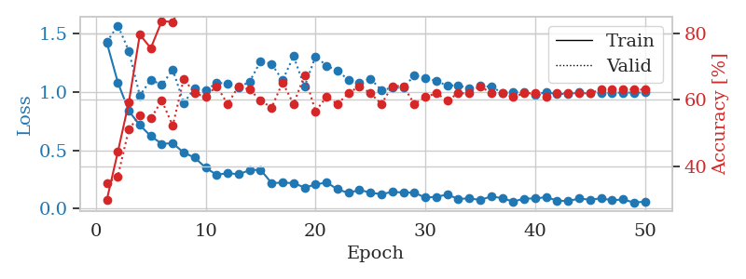
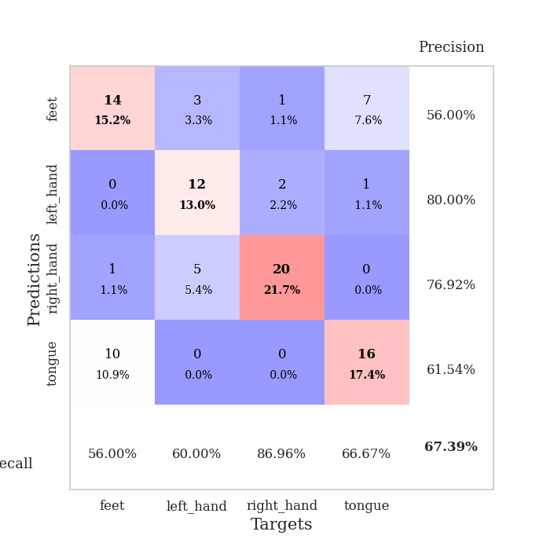
train_loss | valid_loss | train_accuracy | valid_accuracy | dur | train_misclass | valid_misclass
1.4207568583 | 1.4293570778 | 0.29891304348 | 0.34782608696 | 0.083150148392 | 29.891304348 | 34.782608696
1.0821744437 | 1.5682937425 | 0.44293478261 | 0.36956521739 | 0.081588983536 | 44.293478261 | 36.956521739
0.83676811405 | 1.351773643 | 0.59239130435 | 0.51086956522 | 0.08122587204 | 59.239130435 | 51.086956522
0.71665598517 | 0.96760957137 | 0.79619565217 | 0.55434782609 | 0.081538438797 | 79.619565217 | 55.434782609
0.62202444673 | 1.1065910964 | 0.75543478261 | 0.54347826087 | 0.081171751022 | 75.543478261 | 54.347826087
0.55649712423 | 1.0594139112 | 0.83695652174 | 0.59782608696 | 0.081388235092 | 83.695652174 | 59.782608696
0.560856135 | 1.1914819013 | 0.83423913043 | 0.52173913043 | 0.081953525543 | 83.423913043 | 52.173913043
0.4808424776 | 0.90531353264 | 0.90489130435 | 0.66304347826 | 0.081163644791 | 90.489130435 | 66.304347826
0.4379709972 | 1.0335358265 | 0.9375 | 0.61956521739 | 0.081621170044 | 93.75 | 61.956521739
0.35141995679 | 1.0134334765 | 0.97282608696 | 0.60869565217 | 0.081281900406 | 97.282608696 | 60.869565217
0.29024674841 | 1.0785782687 | 0.95923913043 | 0.64130434783 | 0.081421375275 | 95.923913043 | 64.130434783
0.30581080071 | 1.0720044465 | 0.97282608696 | 0.58695652174 | 0.081571102142 | 97.282608696 | 58.695652174
0.29476576784 | 1.0383245867 | 0.97282608696 | 0.64130434783 | 0.081679582596 | 97.282608696 | 64.130434783
0.33124541167 | 1.088432334 | 0.97826086957 | 0.63043478261 | 0.081087827682 | 97.826086957 | 63.043478261
0.33356488043 | 1.2635031032 | 0.97554347826 | 0.59782608696 | 0.080849170685 | 97.554347826 | 59.782608696
0.22042015616 | 1.2404843899 | 0.96739130435 | 0.57608695652 | 0.081309080124 | 96.739130435 | 57.608695652
0.22340654355 | 1.0989598865 | 0.97826086957 | 0.65217391304 | 0.081357002258 | 97.826086957 | 65.217391304
0.22006567179 | 1.3057220986 | 0.96739130435 | 0.58695652174 | 0.08170580864 | 96.739130435 | 58.695652174
0.18232477845 | 1.045935062 | 0.98913043478 | 0.67391304348 | 0.081736564636 | 98.913043478 | 67.391304348
0.20708251064 | 1.3050892003 | 0.95380434783 | 0.5652173913 | 0.08167552948 | 95.380434783 | 56.52173913
0.22600567308 | 1.2252331143 | 0.98369565217 | 0.60869565217 | 0.081490516663 | 98.369565217 | 60.869565217
0.16766682494 | 1.1819852357 | 0.99456521739 | 0.58695652174 | 0.082040786743 | 99.456521739 | 58.695652174
0.13535536623 | 1.1034951884 | 1 | 0.61956521739 | 0.08158993721 | 100 | 61.956521739
0.16203698913 | 1.0778323091 | 1 | 0.64130434783 | 0.081443309784 | 100 | 64.130434783
0.13817221169 | 1.113859854 | 0.99184782609 | 0.61956521739 | 0.081484556198 | 99.184782609 | 61.956521739
0.12473886638 | 1.0156126651 | 1 | 0.58695652174 | 0.081505537033 | 100 | 58.695652174
0.14530077204 | 1.035322166 | 1 | 0.64130434783 | 0.081765174866 | 100 | 64.130434783
0.13916759776 | 1.0366682281 | 1 | 0.64130434783 | 0.082306623459 | 100 | 64.130434783
0.13776098548 | 1.1412287205 | 0.99456521739 | 0.58695652174 | 0.082063436508 | 99.456521739 | 58.695652174
0.095957734986 | 1.1190437623 | 1 | 0.60869565217 | 0.081855773926 | 100 | 60.869565217
0.10260232886 | 1.0956127093 | 1 | 0.61956521739 | 0.081927537918 | 100 | 61.956521739
0.1214353413 | 1.0527247955 | 1 | 0.59782608696 | 0.081756353378 | 100 | 59.782608696
0.084255253896 | 1.0583798231 | 1 | 0.61956521739 | 0.082116603851 | 100 | 61.956521739
0.089696928211 | 1.0282665841 | 1 | 0.61956521739 | 0.08221912384 | 100 | 61.956521739
0.075598030392 | 1.0511941521 | 1 | 0.64130434783 | 0.082099437714 | 100 | 64.130434783
0.10578281368 | 1.0451053397 | 1 | 0.61956521739 | 0.083149194717 | 100 | 61.956521739
0.090844044664 | 0.99357157427 | 1 | 0.61956521739 | 0.080645799637 | 100 | 61.956521739
0.061843049065 | 0.99941465971 | 1 | 0.60869565217 | 0.080666542053 | 100 | 60.869565217
0.086945276302 | 0.99857522547 | 1 | 0.61956521739 | 0.080533266068 | 100 | 61.956521739
0.088358845471 | 0.97481003922 | 1 | 0.61956521739 | 0.080436944962 | 100 | 61.956521739
0.099436083282 | 0.99873837343 | 1 | 0.60869565217 | 0.080638170242 | 100 | 60.869565217
0.070829485827 | 0.98120275788 | 1 | 0.61956521739 | 0.080394983292 | 100 | 61.956521739
0.065839192223 | 0.98473158122 | 1 | 0.61956521739 | 0.081258296967 | 100 | 61.956521739
0.087923047983 | 0.99566611356 | 1 | 0.61956521739 | 0.081695318222 | 100 | 61.956521739
0.077807753954 | 0.99176590857 | 1 | 0.61956521739 | 0.081595182419 | 100 | 61.956521739
0.089664559285 | 0.99475719099 | 1 | 0.63043478261 | 0.081542491913 | 100 | 63.043478261
0.072949616157 | 0.99430246424 | 1 | 0.63043478261 | 0.081718444824 | 100 | 63.043478261
0.079988594491 | 0.99489931147 | 1 | 0.63043478261 | 0.081538200378 | 100 | 63.043478261
0.053816479347 | 0.99483569647 | 1 | 0.63043478261 | 0.081567287445 | 100 | 63.043478261
0.060796044686 | 0.9953707557 | 1 | 0.63043478261 | 0.081720352173 | 100 | 63.043478261

Best Val accuracy is 0.6739130434782609 and Best test accuracy is 0.646551724137931

Sheet8
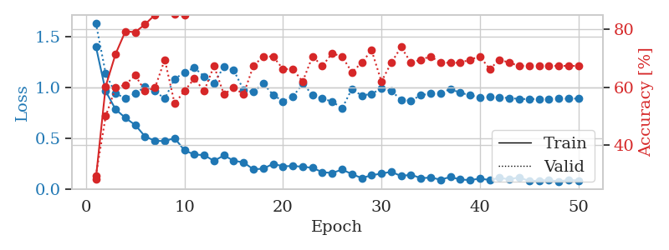
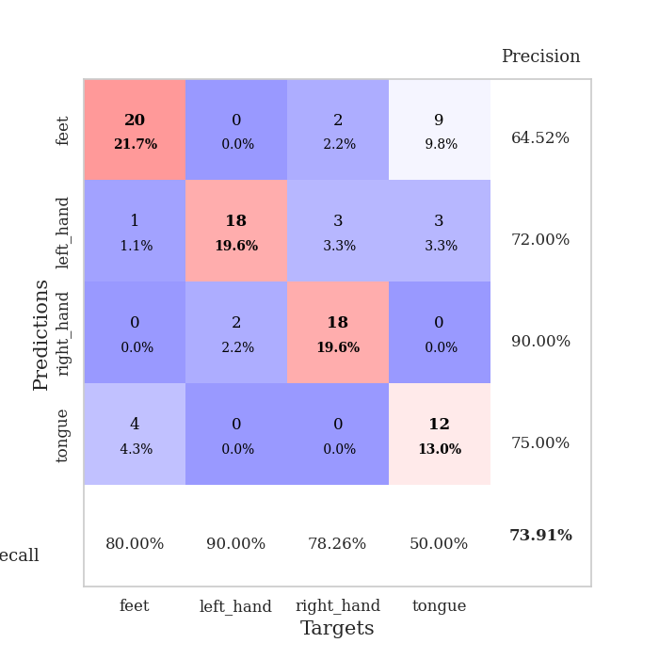
train_loss | valid_loss | train_accuracy | valid_accuracy | dur | train_misclass | valid_misclass
1.4052759979 | 1.6349748788 | 0.28260869565 | 0.29347826087 | 0.081929922104 | 28.260869565 | 29.347826087
0.9624591703 | 1.1371457473 | 0.60326086957 | 0.5 | 0.080791711807 | 60.326086957 | 50
0.78455690716 | 0.93876700298 | 0.71467391304 | 0.59782608696 | 0.081357955933 | 71.467391304 | 59.782608696
0.70019140321 | 0.89554240133 | 0.79347826087 | 0.60869565217 | 0.081152200699 | 79.347826087 | 60.869565217
0.63003746712 | 0.94019656596 | 0.79076086957 | 0.64130434783 | 0.081415653229 | 79.076086957 | 64.130434783
0.51730272303 | 1.0051823232 | 0.81793478261 | 0.58695652174 | 0.081342220306 | 81.793478261 | 58.695652174
0.4745804363 | 0.96318028673 | 0.85054347826 | 0.59782608696 | 0.081414937973 | 85.054347826 | 59.782608696
0.47201522666 | 0.8896880111 | 0.91304347826 | 0.69565217391 | 0.082935333252 | 91.304347826 | 69.565217391
0.5009204525 | 1.0827349606 | 0.85326086957 | 0.54347826087 | 0.084442138672 | 85.326086957 | 54.347826087
0.380581009 | 1.1482429841 | 0.85054347826 | 0.58695652174 | 0.082130670547 | 85.054347826 | 58.695652174
0.33954430987 | 1.1938348983 | 0.89945652174 | 0.63043478261 | 0.081587314606 | 89.945652174 | 63.043478261
0.33354557532 | 1.1083801803 | 0.90217391304 | 0.58695652174 | 0.081492185593 | 90.217391304 | 58.695652174
0.27670575095 | 1.0417169384 | 0.92391304348 | 0.67391304348 | 0.081406593323 | 92.391304348 | 67.391304348
0.33110974016 | 1.2030106239 | 0.91032608696 | 0.57608695652 | 0.081296205521 | 91.032608696 | 57.608695652
0.27851256696 | 1.1696444361 | 0.91847826087 | 0.59782608696 | 0.081280231476 | 91.847826087 | 59.782608696
0.26200217948 | 0.97565500892 | 0.98369565217 | 0.57608695652 | 0.081458091736 | 98.369565217 | 57.608695652
0.19377628665 | 0.9552228062 | 0.97010869565 | 0.67391304348 | 0.081600666046 | 97.010869565 | 67.391304348
0.20058218519 | 1.0386495124 | 0.96467391304 | 0.70652173913 | 0.083779335022 | 96.467391304 | 70.652173913
0.2480342657 | 0.92759940676 | 0.98641304348 | 0.70652173913 | 0.081001281738 | 98.641304348 | 70.652173913
0.22380046287 | 0.86338452412 | 0.99184782609 | 0.66304347826 | 0.08113026619 | 99.184782609 | 66.304347826
0.22680546667 | 0.90779404407 | 0.98913043478 | 0.66304347826 | 0.081619501114 | 98.913043478 | 66.304347826
0.21962460892 | 1.0369258808 | 0.98369565217 | 0.61956521739 | 0.081581115723 | 98.369565217 | 61.956521739
0.20873776929 | 0.92843196703 | 0.9972826087 | 0.70652173913 | 0.081685304642 | 99.72826087 | 70.652173913
0.16575678381 | 0.88861949288 | 0.99456521739 | 0.67391304348 | 0.081683635712 | 99.456521739 | 67.391304348
0.15796846151 | 0.86215749901 | 0.98913043478 | 0.71739130435 | 0.081697940826 | 98.913043478 | 71.739130435
0.19159766586 | 0.79350093914 | 1 | 0.70652173913 | 0.081917285919 | 100 | 70.652173913
0.14772122629 | 0.98481469051 | 0.99456521739 | 0.65217391304 | 0.081647157669 | 99.456521739 | 65.217391304
0.10738954693 | 0.91932917419 | 0.99456521739 | 0.6847826087 | 0.081759691238 | 99.456521739 | 68.47826087
0.13619037669 | 0.9376309229 | 1 | 0.72826086957 | 0.081798315048 | 100 | 72.826086957
0.15151199747 | 0.98867841389 | 1 | 0.61956521739 | 0.081953525543 | 100 | 61.956521739
0.17016229552 | 0.96734205795 | 0.98369565217 | 0.6847826087 | 0.08212184906 | 98.369565217 | 68.47826087
0.12721092707 | 0.87706253321 | 1 | 0.73913043478 | 0.081953763962 | 100 | 73.913043478
0.14146053508 | 0.87000045958 | 1 | 0.6847826087 | 0.082266807556 | 100 | 68.47826087
0.10661500879 | 0.92354628832 | 1 | 0.69565217391 | 0.082202196121 | 100 | 69.565217391
0.11272717567 | 0.93881752957 | 1 | 0.70652173913 | 0.081789970398 | 100 | 70.652173913
0.092583932387 | 0.94474018916 | 1 | 0.6847826087 | 0.081259012222 | 100 | 68.47826087
0.11814562239 | 0.98392816471 | 1 | 0.6847826087 | 0.081456184387 | 100 | 68.47826087
0.094087713601 | 0.94830764895 | 1 | 0.6847826087 | 0.081870794296 | 100 | 68.47826087
0.087756523215 | 0.92260385337 | 1 | 0.69565217391 | 0.081923246384 | 100 | 69.565217391
0.10264883555 | 0.90231988741 | 1 | 0.70652173913 | 0.082000494003 | 100 | 70.652173913
0.088600418409 | 0.90587629961 | 1 | 0.66304347826 | 0.082101106644 | 100 | 66.304347826
0.11008930142 | 0.90076058066 | 1 | 0.69565217391 | 0.081271409988 | 100 | 69.565217391
0.094709571613 | 0.89615834018 | 1 | 0.6847826087 | 0.081656455994 | 100 | 68.47826087
0.11643892583 | 0.88601721111 | 1 | 0.67391304348 | 0.081592082977 | 100 | 67.391304348
0.077602712114 | 0.88593956958 | 1 | 0.67391304348 | 0.082009553909 | 100 | 67.391304348
0.083414497542 | 0.88582137357 | 1 | 0.67391304348 | 0.081967115402 | 100 | 67.391304348
0.088509868264 | 0.88848661081 | 1 | 0.67391304348 | 0.082052707672 | 100 | 67.391304348
0.074493833129 | 0.88919744025 | 1 | 0.67391304348 | 0.081498384476 | 100 | 67.391304348
0.089061229166 | 0.88971961322 | 1 | 0.67391304348 | 0.081841468811 | 100 | 67.391304348
0.083350942106 | 0.89073139429 | 1 | 0.67391304348 | 0.081756353378 | 100 | 67.391304348

Best Val accuracy is 0.7391304347826086 and Best test accuracy is 0.6206896551724138

Sheet9
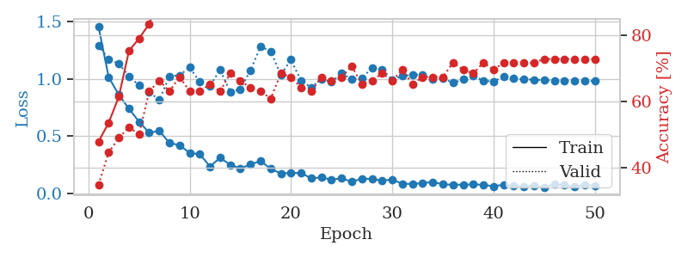
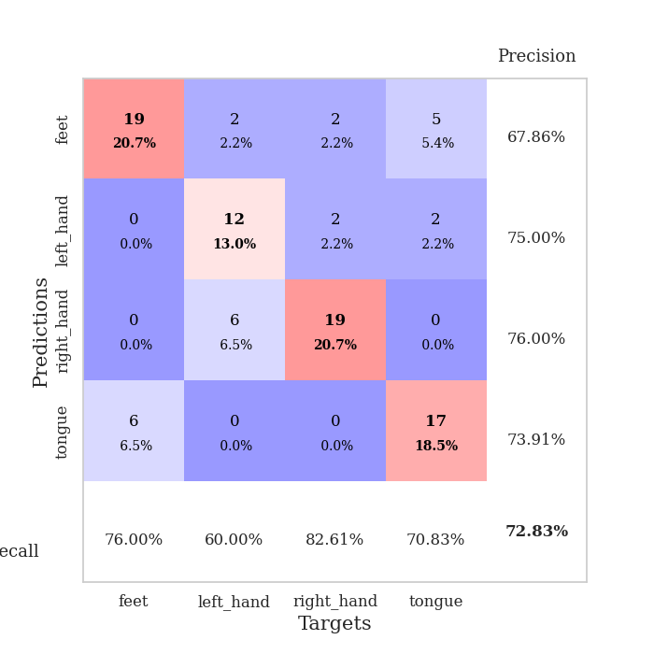
train_loss | valid_loss | train_accuracy | valid_accuracy | dur | train_misclass | valid_misclass
1.4507150754 | 1.2901218819 | 0.47826086957 | 0.34782608696 | 0.085292100906 | 47.826086957 | 34.782608696
1.0139074066 | 1.1671713306 | 0.53532608696 | 0.44565217391 | 0.082262516022 | 53.532608696 | 44.565217391
0.85975326662 | 1.1310922167 | 0.61413043478 | 0.48913043478 | 0.082056283951 | 61.413043478 | 48.913043478
0.73913344093 | 1.0217361865 | 0.7527173913 | 0.52173913043 | 0.081449985504 | 75.27173913 | 52.173913043
0.62608138116 | 0.9409652456 | 0.79076086957 | 0.5 | 0.081322431564 | 79.076086957 | 50
0.53036613503 | 0.88298169685 | 0.83423913043 | 0.63043478261 | 0.08113694191 | 83.423913043 | 63.043478261
0.54658623623 | 0.81531989834 | 0.92119565217 | 0.66304347826 | 0.081341028214 | 92.119565217 | 66.304347826
0.44177253739 | 1.021685862 | 0.91304347826 | 0.63043478261 | 0.081415653229 | 91.304347826 | 63.043478261
0.42231689588 | 1.0301227647 | 0.9375 | 0.67391304348 | 0.081130981445 | 93.75 | 67.391304348
0.35460915611 | 1.0991853527 | 0.94293478261 | 0.63043478261 | 0.086009025574 | 94.293478261 | 63.043478261
0.34444467529 | 0.97072362511 | 0.98913043478 | 0.63043478261 | 0.082064628601 | 98.913043478 | 63.043478261
0.23735543017 | 0.94026183045 | 0.98913043478 | 0.65217391304 | 0.081716299057 | 98.913043478 | 65.217391304
0.31253964551 | 1.0763268989 | 0.97282608696 | 0.63043478261 | 0.081822872162 | 97.282608696 | 63.043478261
0.25169528405 | 0.88583419764 | 0.98913043478 | 0.6847826087 | 0.081827640533 | 98.913043478 | 68.47826087
0.22062703999 | 0.90790302987 | 0.98369565217 | 0.66304347826 | 0.082010269165 | 98.369565217 | 66.304347826
0.25329369728 | 1.0732795596 | 0.98097826087 | 0.64130434783 | 0.081593513489 | 98.097826087 | 64.130434783
0.28634423163 | 1.2807888415 | 0.96467391304 | 0.63043478261 | 0.081532716751 | 96.467391304 | 63.043478261
0.21540740489 | 1.2373115317 | 0.96467391304 | 0.60869565217 | 0.081574201584 | 96.467391304 | 60.869565217
0.17723767719 | 1.0336055976 | 0.9972826087 | 0.6847826087 | 0.081663370132 | 99.72826087 | 68.47826087
0.1807522304 | 1.1647783025 | 1 | 0.67391304348 | 0.081897974014 | 100 | 67.391304348
0.1800657412 | 0.98108648217 | 0.9972826087 | 0.64130434783 | 0.081827640533 | 99.72826087 | 64.130434783
0.13444526955 | 0.92496412733 | 1 | 0.63043478261 | 0.081971168518 | 100 | 63.043478261
0.1424349689 | 0.99658792304 | 0.9972826087 | 0.67391304348 | 0.081957101822 | 99.72826087 | 67.391304348
0.12160646802 | 0.97166662113 | 0.9972826087 | 0.66304347826 | 0.082201242447 | 99.72826087 | 66.304347826
0.13552598607 | 1.0491418229 | 1 | 0.67391304348 | 0.082014560699 | 100 | 67.391304348
0.10337316407 | 0.99389692493 | 1 | 0.70652173913 | 0.082017660141 | 100 | 70.652173913
0.13260937506 | 1.0038892329 | 0.99456521739 | 0.65217391304 | 0.08254981041 | 99.456521739 | 65.217391304
0.12789402027 | 1.0961564131 | 0.99456521739 | 0.66304347826 | 0.082014322281 | 99.456521739 | 66.304347826
0.11477897996 | 1.0810159263 | 0.9972826087 | 0.6847826087 | 0.082092046738 | 99.72826087 | 68.47826087
0.12381691963 | 0.99224918822 | 1 | 0.66304347826 | 0.082294464111 | 100 | 66.304347826
0.086190013944 | 1.0232793702 | 1 | 0.69565217391 | 0.082094192505 | 100 | 69.565217391
0.08599828621 | 1.0338875859 | 0.9972826087 | 0.65217391304 | 0.081855297089 | 99.72826087 | 65.217391304
0.091640527239 | 1.0360628444 | 0.9972826087 | 0.67391304348 | 0.082117795944 | 99.72826087 | 67.391304348
0.1023612799 | 0.99994494604 | 1 | 0.67391304348 | 0.082006692886 | 100 | 67.391304348
0.081506939038 | 1.0024042998 | 1 | 0.67391304348 | 0.082326173782 | 100 | 67.391304348
0.078860260222 | 0.96401420365 | 1 | 0.71739130435 | 0.081998586655 | 100 | 71.739130435
0.078672391484 | 0.99395385514 | 1 | 0.69565217391 | 0.082191944122 | 100 | 69.565217391
0.081344751722 | 1.026983795 | 1 | 0.6847826087 | 0.082050561905 | 100 | 68.47826087
0.077913510573 | 0.98167704888 | 1 | 0.71739130435 | 0.082007646561 | 100 | 71.739130435
0.064946589425 | 0.97557566088 | 1 | 0.69565217391 | 0.08198928833 | 100 | 69.565217391
0.0790490995 | 1.0205370421 | 1 | 0.71739130435 | 0.082029819489 | 100 | 71.739130435
0.069325152906 | 1.0025500992 | 1 | 0.71739130435 | 0.081937551498 | 100 | 71.739130435
0.063298442158 | 0.99482894462 | 1 | 0.71739130435 | 0.082087039948 | 100 | 71.739130435
0.072645698472 | 0.9925639746 | 1 | 0.71739130435 | 0.082100391388 | 100 | 71.739130435
0.055147964912 | 0.98763443724 | 1 | 0.72826086957 | 0.082059621811 | 100 | 72.826086957
0.081769692509 | 0.98331320804 | 1 | 0.72826086957 | 0.082564353943 | 100 | 72.826086957
0.074848491537 | 0.98209024124 | 1 | 0.72826086957 | 0.082045793533 | 100 | 72.826086957
0.059055244834 | 0.98162220224 | 1 | 0.72826086957 | 0.081913471222 | 100 | 72.826086957
0.078019835541 | 0.98122474551 | 1 | 0.72826086957 | 0.082043886185 | 100 | 72.826086957
0.068169868025 | 0.98058876136 | 1 | 0.72826086957 | 0.083399295807 | 100 | 72.826086957

Best Val accuracy is 0.7282608695652174 and Best test accuracy is 0.5948275862068966

Sheet10
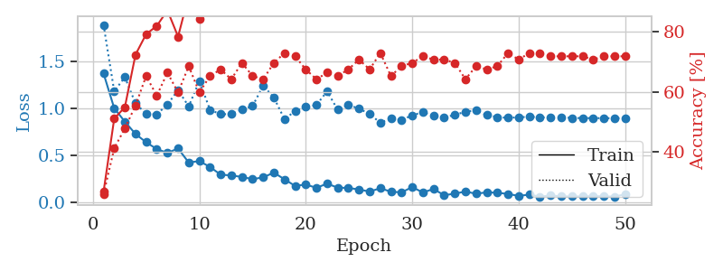
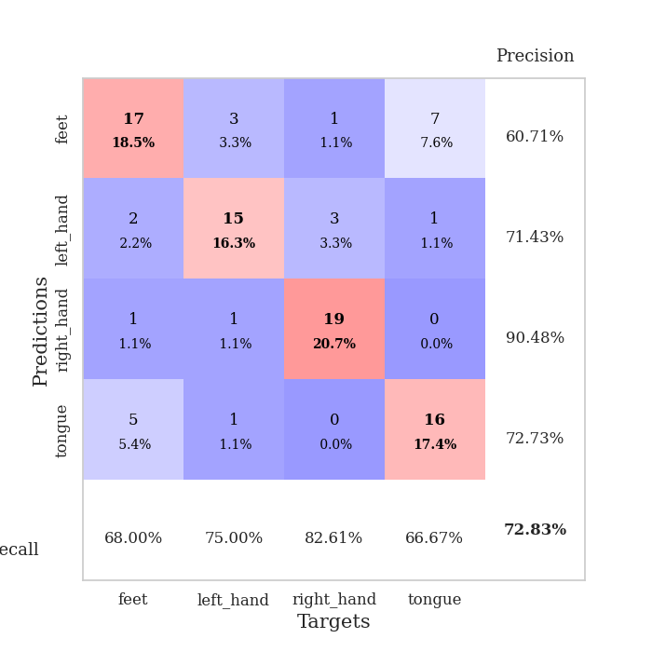
train_loss | valid_loss | train_accuracy | valid_accuracy | dur | train_misclass | valid_misclass
1.3730084119 | 1.8907893637 | 0.26902173913 | 0.26086956522 | 0.082948923111 | 26.902173913 | 26.086956522
1.0034823469 | 1.183229703 | 0.51086956522 | 0.41304347826 | 0.081413507462 | 51.086956522 | 41.304347826
0.86046166264 | 1.3342977011 | 0.54891304348 | 0.47826086957 | 0.081636190414 | 54.891304348 | 47.826086957
0.72917716788 | 1.0548910861 | 0.72282608696 | 0.55434782609 | 0.081434011459 | 72.282608696 | 55.434782609
0.64091306536 | 0.94269102682 | 0.79076086957 | 0.65217391304 | 0.08155298233 | 79.076086957 | 65.217391304
0.56832345802 | 0.93756375753 | 0.81793478261 | 0.58695652174 | 0.081575155258 | 81.793478261 | 58.695652174
0.52771437298 | 1.0432098858 | 0.86956521739 | 0.66304347826 | 0.081803798676 | 86.956521739 | 66.304347826
0.5747797839 | 1.1962231346 | 0.78260869565 | 0.59782608696 | 0.081677913666 | 78.260869565 | 59.782608696
0.42524962451 | 1.0225241897 | 0.91847826087 | 0.6847826087 | 0.081960678101 | 91.847826087 | 68.47826087
0.44035559957 | 1.2939687268 | 0.83967391304 | 0.59782608696 | 0.082166910172 | 83.967391304 | 59.782608696
0.37781130296 | 0.98592661645 | 0.92934782609 | 0.65217391304 | 0.081921339035 | 92.934782609 | 65.217391304
0.29603764706 | 0.93920484704 | 0.97826086957 | 0.67391304348 | 0.081867694855 | 97.826086957 | 67.391304348
0.28760415542 | 0.94082581608 | 0.98913043478 | 0.64130434783 | 0.081816911697 | 98.913043478 | 64.130434783
0.27175254537 | 0.98960547214 | 0.97826086957 | 0.69565217391 | 0.081138849258 | 97.826086957 | 69.565217391
0.24801460297 | 1.0269579952 | 0.97826086957 | 0.65217391304 | 0.081508874893 | 97.826086957 | 65.217391304
0.26758524419 | 1.2440504173 | 0.95380434783 | 0.64130434783 | 0.081341981888 | 95.380434783 | 64.130434783
0.31768480721 | 1.1173498643 | 0.95108695652 | 0.69565217391 | 0.083047389984 | 95.108695652 | 69.565217391
0.24631107388 | 0.88591122368 | 0.99184782609 | 0.72826086957 | 0.08308672905 | 99.184782609 | 72.826086957
0.17588573014 | 0.97323170434 | 0.99456521739 | 0.71739130435 | 0.082444429398 | 99.456521739 | 71.739130435
0.19133187814 | 1.0174681868 | 0.99184782609 | 0.67391304348 | 0.082177639008 | 99.184782609 | 67.391304348
0.15531529355 | 1.0377891737 | 0.98913043478 | 0.64130434783 | 0.081869602203 | 98.913043478 | 64.130434783
0.20078345242 | 1.1824404144 | 0.96739130435 | 0.66304347826 | 0.081714391708 | 96.739130435 | 66.304347826
0.15717691313 | 0.98711788136 | 0.9972826087 | 0.65217391304 | 0.081857442856 | 99.72826087 | 65.217391304
0.15504203939 | 1.0396943429 | 0.99456521739 | 0.67391304348 | 0.081559896469 | 99.456521739 | 67.391304348
0.1377686403 | 0.99764401239 | 0.9972826087 | 0.70652173913 | 0.081849813461 | 99.72826087 | 70.652173913
0.11589301839 | 0.94347039902 | 0.9972826087 | 0.67391304348 | 0.081599712372 | 99.72826087 | 67.391304348
0.15164628835 | 0.84757250159 | 1 | 0.72826086957 | 0.081861495972 | 100 | 72.826086957
0.11422508477 | 0.89658485677 | 1 | 0.65217391304 | 0.081833362579 | 100 | 65.217391304
0.10767725896 | 0.87741016046 | 1 | 0.6847826087 | 0.081749916077 | 100 | 68.47826087
0.16365950401 | 0.9284867424 | 1 | 0.69565217391 | 0.082014322281 | 100 | 69.565217391
0.10607023521 | 0.96112508359 | 1 | 0.71739130435 | 0.082031965256 | 100 | 71.739130435
0.1436864004 | 0.91981957788 | 1 | 0.70652173913 | 0.082015037537 | 100 | 70.652173913
0.076810362951 | 0.90282877114 | 1 | 0.70652173913 | 0.081908464432 | 100 | 70.652173913
0.094227536703 | 0.93326670061 | 1 | 0.69565217391 | 0.081664562225 | 100 | 69.565217391
0.11597631609 | 0.96490183343 | 1 | 0.64130434783 | 0.082013607025 | 100 | 64.130434783
0.093066832618 | 0.98208634361 | 1 | 0.6847826087 | 0.08157491684 | 100 | 68.47826087
0.10792515305 | 0.9306989973 | 1 | 0.67391304348 | 0.082651615143 | 100 | 67.391304348
0.10349931317 | 0.90850733674 | 1 | 0.6847826087 | 0.081902265549 | 100 | 68.47826087
0.090481536463 | 0.90090297227 | 1 | 0.72826086957 | 0.081938028336 | 100 | 72.826086957
0.069945066762 | 0.90661882706 | 1 | 0.70652173913 | 0.081843852997 | 100 | 70.652173913
0.083283652187 | 0.91202029975 | 1 | 0.72826086957 | 0.081928014755 | 100 | 72.826086957
0.061388118658 | 0.90783154057 | 1 | 0.72826086957 | 0.081638813019 | 100 | 72.826086957
0.074519989526 | 0.90134200842 | 1 | 0.71739130435 | 0.08144402504 | 100 | 71.739130435
0.064673371087 | 0.90544000009 | 1 | 0.71739130435 | 0.081784248352 | 100 | 71.739130435
0.064347004275 | 0.90014332403 | 1 | 0.71739130435 | 0.081825733185 | 100 | 71.739130435
0.064373686545 | 0.89792920066 | 1 | 0.71739130435 | 0.082870483398 | 100 | 71.739130435
0.067455449708 | 0.89804915242 | 1 | 0.70652173913 | 0.080888748169 | 100 | 70.652173913
0.065052634267 | 0.89708843568 | 1 | 0.71739130435 | 0.081560850143 | 100 | 71.739130435
0.062282973576 | 0.89684683862 | 1 | 0.71739130435 | 0.081574440002 | 100 | 71.739130435
0.086360300527 | 0.89682056075 | 1 | 0.71739130435 | 0.08194899559 | 100 | 71.739130435

Best Val accuracy is 0.7282608695652174 and Best test accuracy is 0.6206896551724138

