Sheet
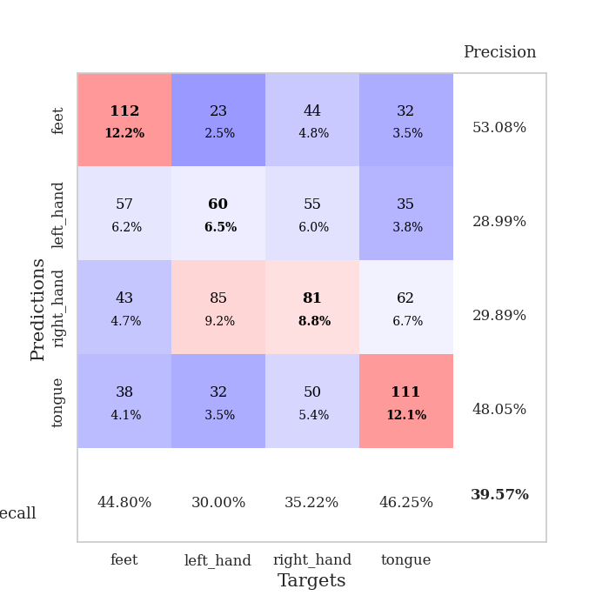
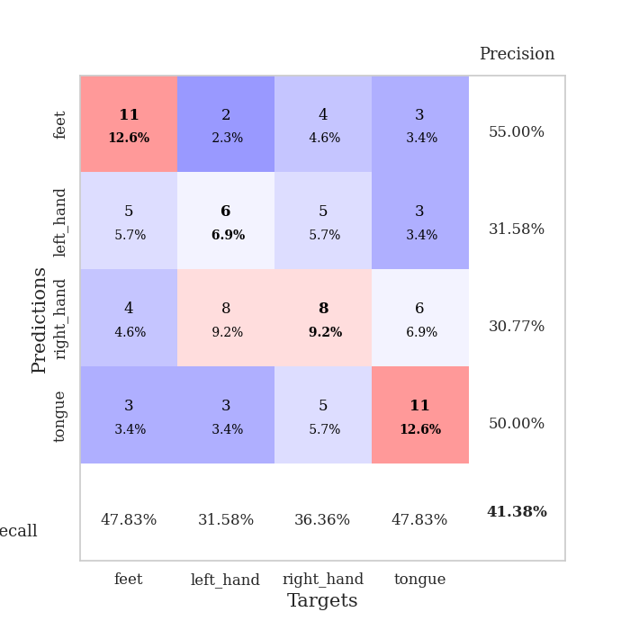
best_val_acc | best_val_los | best_test_acc
0.38043478261 | 1.49720094 | 0.39655172414
0.44565217391 | 1.4975493265 | 0.39655172414
0.38043478261 | 1.5734710745 | 0.31896551724
0.38043478261 | 1.5327530996 | 0.37931034483
0.39130434783 | 1.574912688 | 0.37068965517
0.39130434783 | 1.4121105826 | 0.41379310345
0.35869565217 | 1.5226786188 | 0.33620689655
0.39130434783 | 1.8239458696 | 0.35344827586
0.4347826087 | 1.6738061438 | 0.34482758621
0.40217391304 | 1.7768032033 | 0.43965517241

Mean,std Val accuracy is 0.39565217391304347 , 0.026227479812831668 and mean, std test accuracy is 0.37500000000000006 , 0.037521738095404

Sheet1
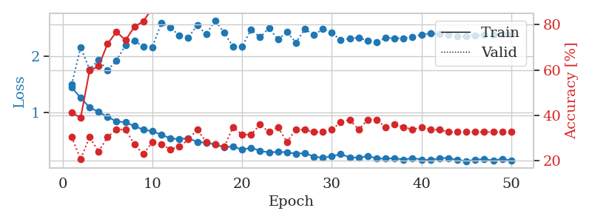
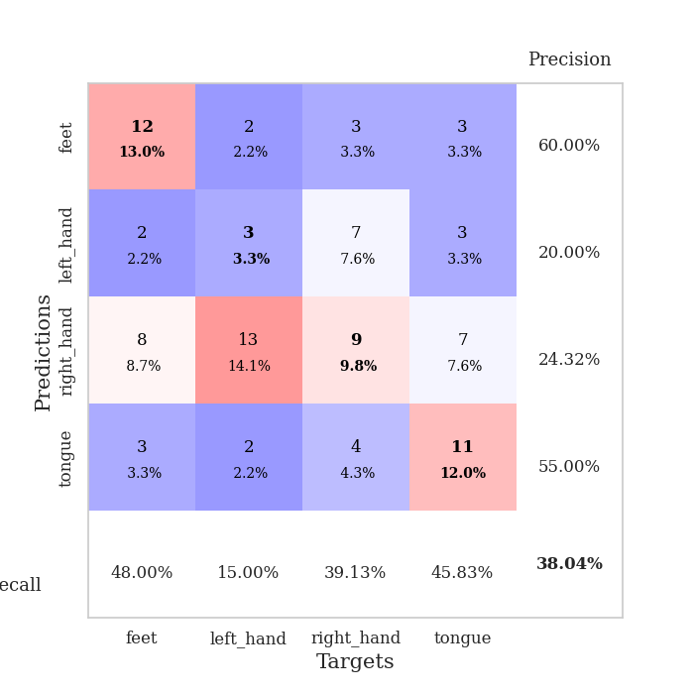
train_loss | valid_loss | train_accuracy | valid_accuracy | dur | train_misclass | valid_misclass
1.4523106917 | 1.49720094 | 0.41304347826 | 0.30434782609 | 0.080828666687 | 41.304347826 | 30.434782609
1.2650169108 | 2.1589703249 | 0.38858695652 | 0.20652173913 | 0.080810785294 | 38.858695652 | 20.652173913
1.09375347 | 1.7666250726 | 0.59782608696 | 0.30434782609 | 0.080773591995 | 59.782608696 | 30.434782609
1.0159364446 | 1.9347413053 | 0.61684782609 | 0.23913043478 | 0.080861568451 | 61.684782609 | 23.913043478
0.92445654973 | 1.7508294271 | 0.71467391304 | 0.30434782609 | 0.080720663071 | 71.467391304 | 30.434782609
0.84961629173 | 1.9265032281 | 0.76902173913 | 0.33695652174 | 0.080792665482 | 76.902173913 | 33.695652174
0.82961849026 | 2.1958811542 | 0.73097826087 | 0.33695652174 | 0.08091878891 | 73.097826087 | 33.695652174
0.76415133476 | 2.2749787362 | 0.79076086957 | 0.27173913043 | 0.080697059631 | 79.076086957 | 27.173913043
0.7010498021 | 2.1682418688 | 0.8152173913 | 0.22826086957 | 0.082113742828 | 81.52173913 | 22.826086957
0.67438900989 | 2.1586473506 | 0.8722826087 | 0.28260869565 | 0.081399440765 | 87.22826087 | 28.260869565
0.61089354106 | 2.5921374819 | 0.875 | 0.27173913043 | 0.080808877945 | 87.5 | 27.173913043
0.54915484268 | 2.5099561318 | 0.86684782609 | 0.25 | 0.080601930618 | 86.684782609 | 25
0.53133510636 | 2.3687069157 | 0.9375 | 0.26086956522 | 0.080583810806 | 93.75 | 26.086956522
0.55250437363 | 2.3344169078 | 0.9347826087 | 0.29347826087 | 0.080849647522 | 93.47826087 | 29.347826087
0.48132023669 | 2.5479471528 | 0.95108695652 | 0.33695652174 | 0.080843448639 | 95.108695652 | 33.695652174
0.47209445484 | 2.3878072086 | 0.9347826087 | 0.28260869565 | 0.080750703812 | 93.47826087 | 28.260869565
0.43724687592 | 2.6363526997 | 0.94836956522 | 0.27173913043 | 0.080792188644 | 94.836956522 | 27.173913043
0.39228312671 | 2.4175540261 | 0.97282608696 | 0.26086956522 | 0.080992460251 | 97.282608696 | 26.086956522
0.40245593048 | 2.169817173 | 0.99184782609 | 0.34782608696 | 0.080871343613 | 99.184782609 | 34.782608696
0.34749973274 | 2.174637271 | 0.99184782609 | 0.3152173913 | 0.081079959869 | 99.184782609 | 31.52173913
0.38167222622 | 2.4719970123 | 0.97554347826 | 0.3152173913 | 0.08091044426 | 97.554347826 | 31.52173913
0.32714679189 | 2.3374419161 | 0.99184782609 | 0.35869565217 | 0.080898284912 | 99.184782609 | 35.869565217
0.29746867813 | 2.5022174224 | 0.99456521739 | 0.32608695652 | 0.081045150757 | 99.456521739 | 32.608695652
0.30829299792 | 2.2982911753 | 0.98641304348 | 0.34782608696 | 0.08225607872 | 98.641304348 | 34.782608696
0.30124100071 | 2.430628222 | 0.99184782609 | 0.28260869565 | 0.080259561539 | 99.184782609 | 28.260869565
0.27580706451 | 2.2432436736 | 0.99184782609 | 0.33695652174 | 0.08043217659 | 99.184782609 | 33.695652174
0.28469774516 | 2.480266514 | 1 | 0.33695652174 | 0.080437421799 | 100 | 33.695652174
0.22466008721 | 2.377660601 | 0.9972826087 | 0.32608695652 | 0.080699682236 | 99.72826087 | 32.608695652
0.20277830732 | 2.4817484773 | 1 | 0.32608695652 | 0.080590724945 | 100 | 32.608695652
0.23001981008 | 2.4182213752 | 1 | 0.33695652174 | 0.080746412277 | 100 | 33.695652174
0.26797727949 | 2.2841010353 | 0.9972826087 | 0.36956521739 | 0.080946683884 | 99.72826087 | 36.956521739
0.2116550314 | 2.3112193761 | 0.9972826087 | 0.38043478261 | 0.081181049347 | 99.72826087 | 38.043478261
0.20495289273 | 2.3337575197 | 1 | 0.33695652174 | 0.081185340881 | 100 | 33.695652174
0.23281334324 | 2.2735569373 | 1 | 0.38043478261 | 0.081009149551 | 100 | 38.043478261
0.19276176101 | 2.2513552127 | 1 | 0.38043478261 | 0.08100271225 | 100 | 38.043478261
0.18684616248 | 2.3265357277 | 1 | 0.34782608696 | 0.081144809723 | 100 | 34.782608696
0.19723306969 | 2.319971266 | 1 | 0.35869565217 | 0.081351518631 | 100 | 35.869565217
0.16982639581 | 2.3168588773 | 1 | 0.34782608696 | 0.083160638809 | 100 | 34.782608696
0.19905280144 | 2.3469333597 | 1 | 0.33695652174 | 0.080434799194 | 100 | 33.695652174
0.17278017249 | 2.3782885126 | 1 | 0.34782608696 | 0.080332994461 | 100 | 34.782608696
0.16052638027 | 2.4094772598 | 1 | 0.33695652174 | 0.080471515656 | 100 | 33.695652174
0.19864750022 | 2.3934856964 | 1 | 0.33695652174 | 0.081004858017 | 100 | 33.695652174
0.19927152603 | 2.3778837712 | 1 | 0.32608695652 | 0.081304311752 | 100 | 32.608695652
0.16462340238 | 2.3522348197 | 1 | 0.32608695652 | 0.081302642822 | 100 | 32.608695652
0.14403664466 | 2.357881178 | 1 | 0.32608695652 | 0.081210613251 | 100 | 32.608695652
0.17045661669 | 2.3734478691 | 1 | 0.32608695652 | 0.081365346909 | 100 | 32.608695652
0.18108701269 | 2.3798285775 | 1 | 0.32608695652 | 0.081190824509 | 100 | 32.608695652
0.15321564674 | 2.3839796989 | 1 | 0.32608695652 | 0.081218004227 | 100 | 32.608695652
0.18599537501 | 2.3882149821 | 1 | 0.32608695652 | 0.081240177155 | 100 | 32.608695652
0.15339099826 | 2.3938652381 | 1 | 0.32608695652 | 0.081243038177 | 100 | 32.608695652

Best Val accuracy is 0.3804347826086957 and Best test accuracy is 0.39655172413793105

Sheet2
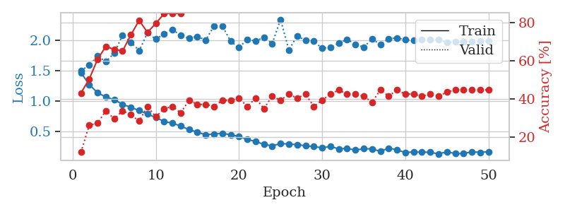
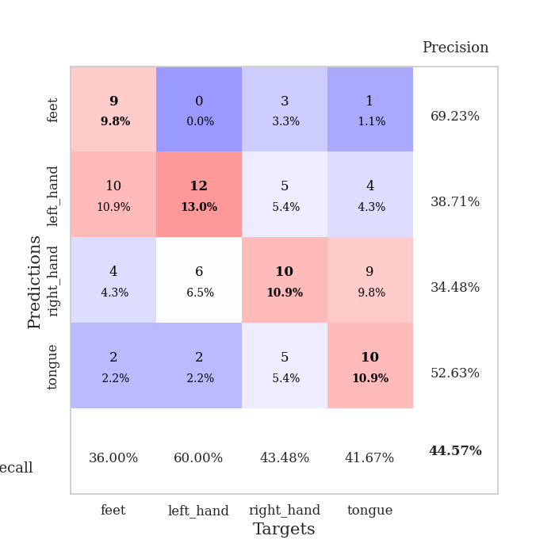
train_loss | valid_loss | train_accuracy | valid_accuracy | dur | train_misclass | valid_misclass
1.4671646927 | 1.4975493265 | 0.42934782609 | 0.11956521739 | 0.080996990204 | 42.934782609 | 11.956521739
1.271628144 | 1.589612116 | 0.5027173913 | 0.26086956522 | 0.080914497375 | 50.27173913 | 26.086956522
1.1369184437 | 1.7369990712 | 0.60597826087 | 0.27173913043 | 0.080717802048 | 60.597826087 | 27.173913043
1.0686291067 | 1.6479207899 | 0.67391304348 | 0.33695652174 | 0.080429553986 | 67.391304348 | 33.695652174
1.0234305444 | 1.7845592654 | 0.65760869565 | 0.29347826087 | 0.080926656723 | 65.760869565 | 29.347826087
0.94701982063 | 2.0805590723 | 0.64945652174 | 0.33695652174 | 0.080768585205 | 64.945652174 | 33.695652174
0.89892964519 | 1.967499961 | 0.73369565217 | 0.3152173913 | 0.080770969391 | 73.369565217 | 31.52173913
0.8461772644 | 1.8250165867 | 0.8097826087 | 0.28260869565 | 0.08065700531 | 80.97826087 | 28.260869565
0.79011359422 | 2.1184812732 | 0.7472826087 | 0.35869565217 | 0.080766201019 | 74.72826087 | 35.869565217
0.73062489862 | 2.0159105684 | 0.79347826087 | 0.30434782609 | 0.080894947052 | 79.347826087 | 30.434782609
0.66806013558 | 2.0982354206 | 0.84510869565 | 0.34782608696 | 0.080854177475 | 84.510869565 | 34.782608696
0.63834159206 | 2.1753617318 | 0.84782608696 | 0.35869565217 | 0.080760002136 | 84.782608696 | 35.869565217
0.59389800611 | 2.073492273 | 0.84510869565 | 0.32608695652 | 0.0805747509 | 84.510869565 | 32.608695652
0.53311243135 | 2.0316283547 | 0.92119565217 | 0.39130434783 | 0.084062814713 | 92.119565217 | 39.130434783
0.49377106195 | 2.0599163408 | 0.88586956522 | 0.36956521739 | 0.080804586411 | 88.586956522 | 36.956521739
0.44879981422 | 1.9998067721 | 0.9375 | 0.36956521739 | 0.080529212952 | 93.75 | 36.956521739
0.46252844839 | 2.2302637826 | 0.94293478261 | 0.35869565217 | 0.080397367477 | 94.293478261 | 35.869565217
0.47248268387 | 2.2309558754 | 0.96195652174 | 0.39130434783 | 0.080611944199 | 96.195652174 | 39.130434783
0.45123590011 | 1.980550766 | 0.98369565217 | 0.39130434783 | 0.080682277679 | 98.369565217 | 39.130434783
0.42158750866 | 1.8766851218 | 0.92934782609 | 0.40217391304 | 0.080667495728 | 92.934782609 | 40.217391304
0.37548856178 | 2.0125109372 | 0.98097826087 | 0.35869565217 | 0.080867052078 | 98.097826087 | 35.869565217
0.33790804025 | 1.9827400861 | 0.96467391304 | 0.40217391304 | 0.080762624741 | 96.467391304 | 40.217391304
0.29400897026 | 2.044963904 | 0.98913043478 | 0.34782608696 | 0.08083820343 | 98.913043478 | 34.782608696
0.26677272696 | 1.9441510439 | 0.98913043478 | 0.41304347826 | 0.08093047142 | 98.913043478 | 41.304347826
0.30665217664 | 2.3378840944 | 0.98913043478 | 0.39130434783 | 0.081174135208 | 98.913043478 | 39.130434783
0.29725044771 | 1.8366258248 | 0.98641304348 | 0.42391304348 | 0.080832242966 | 98.641304348 | 42.391304348
0.28848040169 | 2.0715132744 | 0.98641304348 | 0.40217391304 | 0.081246376038 | 98.641304348 | 40.217391304
0.26860000064 | 1.9913258553 | 0.99456521739 | 0.42391304348 | 0.080849170685 | 99.456521739 | 42.391304348
0.25589922427 | 1.9815390784 | 0.99184782609 | 0.35869565217 | 0.080887079239 | 99.184782609 | 35.869565217
0.23580256655 | 1.8652127463 | 0.98641304348 | 0.39130434783 | 0.08078622818 | 98.641304348 | 39.130434783
0.25804107863 | 1.8823283755 | 0.99456521739 | 0.42391304348 | 0.080915212631 | 99.456521739 | 42.391304348
0.21823811531 | 1.9480824367 | 0.9972826087 | 0.44565217391 | 0.081027269363 | 99.72826087 | 44.565217391
0.22611258114 | 2.0123955996 | 0.9972826087 | 0.42391304348 | 0.081126451492 | 99.72826087 | 42.391304348
0.19904148773 | 1.9320379755 | 1 | 0.42391304348 | 0.081148862839 | 100 | 42.391304348
0.22086355965 | 1.8843651803 | 1 | 0.41304347826 | 0.081267595291 | 100 | 41.304347826
0.21832300771 | 2.0163384313 | 1 | 0.38043478261 | 0.081228494644 | 100 | 38.043478261
0.17834168073 | 1.9287427664 | 1 | 0.44565217391 | 0.081235170364 | 100 | 44.565217391
0.23142870872 | 2.0235959913 | 1 | 0.41304347826 | 0.081474065781 | 100 | 41.304347826
0.20405167001 | 2.0321462517 | 1 | 0.44565217391 | 0.081194162369 | 100 | 44.565217391
0.15828789447 | 2.0060461345 | 1 | 0.42391304348 | 0.081210374832 | 100 | 42.391304348
0.16818584907 | 1.9953962461 | 1 | 0.42391304348 | 0.081302404404 | 100 | 42.391304348
0.16532573104 | 2.0122893427 | 1 | 0.41304347826 | 0.081521272659 | 100 | 41.304347826
0.16288427652 | 2.0047005778 | 1 | 0.42391304348 | 0.081478834152 | 100 | 42.391304348
0.13683844544 | 2.0037569015 | 1 | 0.41304347826 | 0.081340312958 | 100 | 41.304347826
0.17128970685 | 1.959287348 | 1 | 0.4347826087 | 0.08139538765 | 100 | 43.47826087
0.14045353282 | 1.9686403896 | 1 | 0.44565217391 | 0.081509828568 | 100 | 44.565217391
0.14174309033 | 1.9729385376 | 1 | 0.44565217391 | 0.081454515457 | 100 | 44.565217391
0.16971579348 | 1.9770992942 | 1 | 0.44565217391 | 0.081157207489 | 100 | 44.565217391
0.16183759774 | 1.9834300953 | 1 | 0.44565217391 | 0.081118106842 | 100 | 44.565217391
0.17234173077 | 1.9874568141 | 1 | 0.44565217391 | 0.081080436707 | 100 | 44.565217391

Best Val accuracy is 0.44565217391304346 and Best test accuracy is 0.39655172413793105

Sheet3
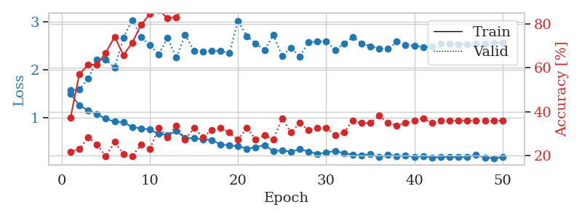
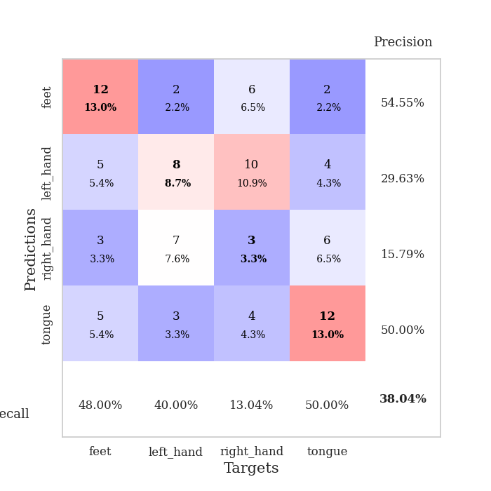
train_loss | valid_loss | train_accuracy | valid_accuracy | dur | train_misclass | valid_misclass
1.495077128 | 1.5734710745 | 0.3722826087 | 0.21739130435 | 0.081488609314 | 37.22826087 | 21.739130435
1.2540662444 | 1.5893837939 | 0.57065217391 | 0.22826086957 | 0.08061003685 | 57.065217391 | 22.826086957
1.1501972831 | 1.8109250535 | 0.61413043478 | 0.28260869565 | 0.080474615097 | 61.413043478 | 28.260869565
1.0764146421 | 2.2082470604 | 0.61413043478 | 0.25 | 0.080568313599 | 61.413043478 | 25
0.97544539752 | 2.2152636621 | 0.66847826087 | 0.19565217391 | 0.080548524857 | 66.847826087 | 19.565217391
0.91415175148 | 2.0361572763 | 0.74184782609 | 0.26086956522 | 0.081038713455 | 74.184782609 | 26.086956522
0.90466310667 | 2.6676191351 | 0.65760869565 | 0.20652173913 | 0.081142902374 | 65.760869565 | 20.652173913
0.80120641511 | 3.0351067833 | 0.71467391304 | 0.19565217391 | 0.080608606339 | 71.467391304 | 19.565217391
0.77522622114 | 2.6859564678 | 0.79619565217 | 0.25 | 0.080889701843 | 79.619565217 | 25
0.74822073009 | 2.506282796 | 0.84510869565 | 0.22826086957 | 0.080813169479 | 84.510869565 | 22.826086957
0.66469615698 | 2.3183429863 | 0.86413043478 | 0.32608695652 | 0.081024646759 | 86.413043478 | 32.608695652
0.63269348248 | 2.6618157159 | 0.82608695652 | 0.28260869565 | 0.080840110779 | 82.608695652 | 28.260869565
0.71858811378 | 2.2505332024 | 0.83152173913 | 0.33695652174 | 0.08073759079 | 83.152173913 | 33.695652174
0.5754288746 | 2.7264705223 | 0.88586956522 | 0.27173913043 | 0.080813646317 | 88.586956522 | 27.173913043
0.56796680326 | 2.3933373327 | 0.92663043478 | 0.32608695652 | 0.080642223358 | 92.663043478 | 32.608695652
0.54768754995 | 2.3807030864 | 0.92663043478 | 0.28260869565 | 0.080755710602 | 92.663043478 | 28.260869565
0.53209331373 | 2.3913684824 | 0.94565217391 | 0.3152173913 | 0.080763578415 | 94.565217391 | 31.52173913
0.44041447925 | 2.3952929663 | 0.94565217391 | 0.32608695652 | 0.080669641495 | 94.565217391 | 32.608695652
0.41887974998 | 2.3407180102 | 0.96195652174 | 0.30434782609 | 0.08071398735 | 96.195652174 | 30.434782609
0.40595273738 | 3.0124680581 | 0.96739130435 | 0.27173913043 | 0.080606460571 | 96.739130435 | 27.173913043
0.35200400553 | 2.6988528189 | 0.97554347826 | 0.32608695652 | 0.08066701889 | 97.554347826 | 32.608695652
0.37893315502 | 2.5489116026 | 0.99184782609 | 0.27173913043 | 0.081108570099 | 99.184782609 | 27.173913043
0.42686901533 | 2.4038158914 | 0.98913043478 | 0.29347826087 | 0.080832719803 | 98.913043478 | 29.347826087
0.30268474603 | 2.7185510863 | 0.97554347826 | 0.27173913043 | 0.080656766891 | 97.554347826 | 27.173913043
0.31764570656 | 2.2905285255 | 0.99456521739 | 0.36956521739 | 0.080539464951 | 99.456521739 | 36.956521739
0.28615894719 | 2.4593418992 | 0.98913043478 | 0.30434782609 | 0.080923557281 | 98.913043478 | 30.434782609
0.34131591087 | 2.2694947823 | 0.99456521739 | 0.34782608696 | 0.080614566803 | 99.456521739 | 34.782608696
0.29227133306 | 2.5771105808 | 1 | 0.3152173913 | 0.080866575241 | 100 | 31.52173913
0.23935572382 | 2.5821368694 | 0.99456521739 | 0.32608695652 | 0.080667257309 | 99.456521739 | 32.608695652
0.27481328113 | 2.5935966036 | 0.9972826087 | 0.32608695652 | 0.08069896698 | 99.72826087 | 32.608695652
0.30174190616 | 2.4059336289 | 1 | 0.29347826087 | 0.080767154694 | 100 | 29.347826087
0.25995681338 | 2.536465054 | 1 | 0.30434782609 | 0.080893039703 | 100 | 30.434782609
0.2255183102 | 2.6807924354 | 1 | 0.35869565217 | 0.080897092819 | 100 | 35.869565217
0.21150109949 | 2.5486932526 | 1 | 0.34782608696 | 0.080928564072 | 100 | 34.782608696
0.23621594096 | 2.4883982513 | 1 | 0.34782608696 | 0.080911636353 | 100 | 34.782608696
0.17161198997 | 2.4427446386 | 1 | 0.38043478261 | 0.080693721771 | 100 | 38.043478261
0.22229626062 | 2.4330438842 | 1 | 0.34782608696 | 0.081375837326 | 100 | 34.782608696
0.19872062977 | 2.5813465533 | 1 | 0.33695652174 | 0.080726623535 | 100 | 33.695652174
0.20369924929 | 2.5058467595 | 1 | 0.34782608696 | 0.080860137939 | 100 | 34.782608696
0.18231452354 | 2.504334937 | 1 | 0.35869565217 | 0.080495595932 | 100 | 35.869565217
0.20000410274 | 2.4699071698 | 1 | 0.36956521739 | 0.080649852753 | 100 | 36.956521739
0.16568745414 | 2.4779069735 | 1 | 0.34782608696 | 0.080988645554 | 100 | 34.782608696
0.17820016181 | 2.5437790311 | 1 | 0.35869565217 | 0.081109762192 | 100 | 35.869565217
0.18141014258 | 2.5483822201 | 1 | 0.35869565217 | 0.08127784729 | 100 | 35.869565217
0.17207342759 | 2.5338473838 | 1 | 0.35869565217 | 0.080840110779 | 100 | 35.869565217
0.17820490119 | 2.5326640502 | 1 | 0.35869565217 | 0.080949783325 | 100 | 35.869565217
0.22626103979 | 2.5400810138 | 1 | 0.35869565217 | 0.080795526505 | 100 | 35.869565217
0.16872578033 | 2.549663948 | 1 | 0.35869565217 | 0.081099748611 | 100 | 35.869565217
0.15267093091 | 2.5550247586 | 1 | 0.35869565217 | 0.081193447113 | 100 | 35.869565217
0.17394917839 | 2.5596436521 | 1 | 0.35869565217 | 0.08113694191 | 100 | 35.869565217

Best Val accuracy is 0.3804347826086957 and Best test accuracy is 0.31896551724137934

Sheet4
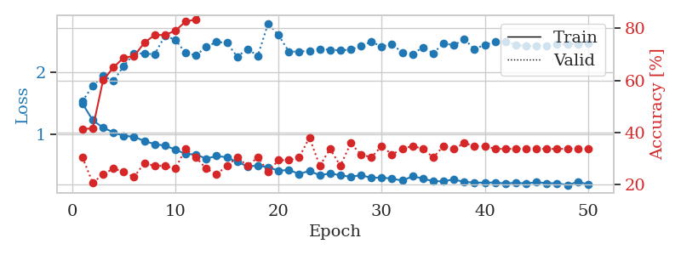
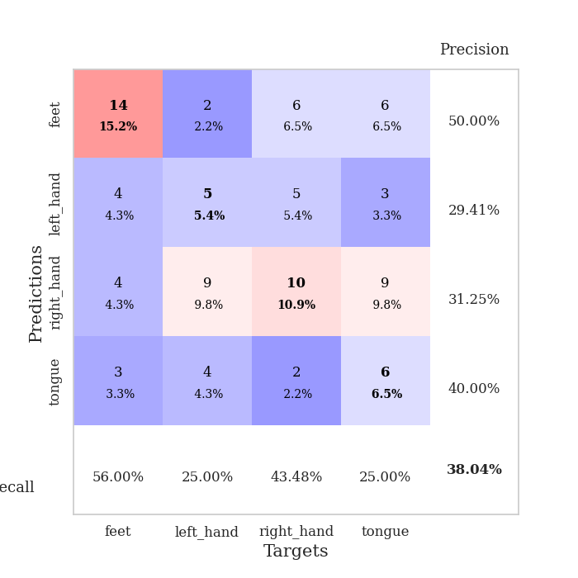
train_loss | valid_loss | train_accuracy | valid_accuracy | dur | train_misclass | valid_misclass
1.4963143079 | 1.5327530996 | 0.41304347826 | 0.30434782609 | 0.08466386795 | 41.304347826 | 30.434782609
1.2227126179 | 1.7835130484 | 0.41576086957 | 0.20652173913 | 0.083201885223 | 41.576086957 | 20.652173913
1.1009832025 | 1.9464387686 | 0.60054347826 | 0.23913043478 | 0.086019515991 | 60.054347826 | 23.913043478
1.0265765734 | 1.8623145352 | 0.64945652174 | 0.26086956522 | 0.081504106522 | 64.945652174 | 26.086956522
0.96702863859 | 2.1070672844 | 0.6875 | 0.25 | 0.080967903137 | 68.75 | 25
0.95428631617 | 2.3086162235 | 0.69293478261 | 0.22826086957 | 0.080167531967 | 69.293478261 | 22.826086957
0.88374336906 | 2.3136398378 | 0.74456521739 | 0.28260869565 | 0.080001592636 | 74.456521739 | 28.260869565
0.83335454308 | 2.2954551085 | 0.77445652174 | 0.27173913043 | 0.080015420914 | 77.445652174 | 27.173913043
0.80901391092 | 2.6033153741 | 0.77445652174 | 0.27173913043 | 0.079938173294 | 77.445652174 | 27.173913043
0.74505998389 | 2.5327750393 | 0.79076086957 | 0.26086956522 | 0.080285787582 | 79.076086957 | 26.086956522
0.67187482896 | 2.3208385343 | 0.82608695652 | 0.33695652174 | 0.080160140991 | 82.608695652 | 33.695652174
0.66510063799 | 2.2820448202 | 0.83423913043 | 0.30434782609 | 0.080393791199 | 83.423913043 | 30.434782609
0.59548886574 | 2.417488067 | 0.88858695652 | 0.26086956522 | 0.080236673355 | 88.858695652 | 26.086956522
0.63997480403 | 2.5003350403 | 0.91032608696 | 0.23913043478 | 0.080101490021 | 91.032608696 | 23.913043478
0.61746994179 | 2.4840376688 | 0.92391304348 | 0.27173913043 | 0.089456796646 | 92.391304348 | 27.173913043
0.54264447223 | 2.2602794481 | 0.92934782609 | 0.30434782609 | 0.083994626999 | 92.934782609 | 30.434782609
0.47157525887 | 2.3831817171 | 0.93206521739 | 0.27173913043 | 0.083582401276 | 93.206521739 | 27.173913043
0.4811860459 | 2.2740522105 | 0.9347826087 | 0.30434782609 | 0.090053081512 | 93.47826087 | 30.434782609
0.45788313254 | 2.8020313512 | 0.96195652174 | 0.25 | 0.089549541473 | 96.195652174 | 25
0.3993298826 | 2.6104747005 | 0.96195652174 | 0.29347826087 | 0.09252166748 | 96.195652174 | 29.347826087
0.41206050373 | 2.3444107253 | 0.97554347826 | 0.29347826087 | 0.085927724838 | 97.554347826 | 29.347826087
0.34726416417 | 2.341151196 | 0.97282608696 | 0.30434782609 | 0.07901930809 | 97.282608696 | 30.434782609
0.39653490872 | 2.3560615156 | 0.97826086957 | 0.38043478261 | 0.078552484512 | 97.826086957 | 38.043478261
0.32377430246 | 2.3829103553 | 0.96467391304 | 0.27173913043 | 0.078689336777 | 96.467391304 | 27.173913043
0.3554537549 | 2.3718458725 | 0.98097826087 | 0.33695652174 | 0.080114364624 | 98.097826087 | 33.695652174
0.32496641382 | 2.3621423711 | 0.98913043478 | 0.27173913043 | 0.078395843506 | 98.913043478 | 27.173913043
0.29993158061 | 2.374406996 | 0.9972826087 | 0.35869565217 | 0.078518152237 | 99.72826087 | 35.869565217
0.3278998143 | 2.4355523016 | 0.98913043478 | 0.3152173913 | 0.078501939774 | 98.913043478 | 31.52173913
0.28115170417 | 2.5023166563 | 0.9972826087 | 0.30434782609 | 0.078399419785 | 99.72826087 | 30.434782609
0.28920791493 | 2.4262346651 | 0.99184782609 | 0.34782608696 | 0.078517913818 | 99.184782609 | 34.782608696
0.26965341685 | 2.4615939804 | 0.9972826087 | 0.3152173913 | 0.078455209732 | 99.72826087 | 31.52173913
0.23906782658 | 2.3297358544 | 0.99456521739 | 0.33695652174 | 0.078827619553 | 99.456521739 | 33.695652174
0.30753428845 | 2.3005885715 | 1 | 0.34782608696 | 0.078645467758 | 100 | 34.782608696
0.27283800426 | 2.4137193431 | 1 | 0.33695652174 | 0.078672647476 | 100 | 33.695652174
0.22666934295 | 2.3138674083 | 0.9972826087 | 0.30434782609 | 0.078687906265 | 99.72826087 | 30.434782609
0.22840989786 | 2.4803303895 | 1 | 0.34782608696 | 0.081830263138 | 100 | 34.782608696
0.25852510042 | 2.4425839756 | 1 | 0.33695652174 | 0.079196929932 | 100 | 33.695652174
0.21395829352 | 2.5467473787 | 1 | 0.35869565217 | 0.079451084137 | 100 | 35.869565217
0.20836035907 | 2.3809985544 | 1 | 0.34782608696 | 0.079281330109 | 100 | 34.782608696
0.20280804275 | 2.4556219215 | 1 | 0.34782608696 | 0.079235315323 | 100 | 34.782608696
0.20938820813 | 2.4990235049 | 1 | 0.33695652174 | 0.079478025436 | 100 | 33.695652174
0.18843717274 | 2.5032582749 | 1 | 0.33695652174 | 0.079595804214 | 100 | 33.695652174
0.20501296368 | 2.4530459228 | 1 | 0.33695652174 | 0.07945394516 | 100 | 33.695652174
0.18962478783 | 2.430942354 | 1 | 0.33695652174 | 0.082616090775 | 100 | 33.695652174
0.21310926358 | 2.434870269 | 1 | 0.33695652174 | 0.079993009567 | 100 | 33.695652174
0.19544619014 | 2.4380121179 | 1 | 0.33695652174 | 0.079819202423 | 100 | 33.695652174
0.19560422926 | 2.456691405 | 1 | 0.33695652174 | 0.079867839813 | 100 | 33.695652174
0.16504555681 | 2.4638374577 | 1 | 0.33695652174 | 0.079955101013 | 100 | 33.695652174
0.21739270765 | 2.4677458846 | 1 | 0.33695652174 | 0.080145597458 | 100 | 33.695652174
0.17908948385 | 2.4710865695 | 1 | 0.33695652174 | 0.079943418503 | 100 | 33.695652174

Best Val accuracy is 0.3804347826086957 and Best test accuracy is 0.3793103448275862

Sheet5
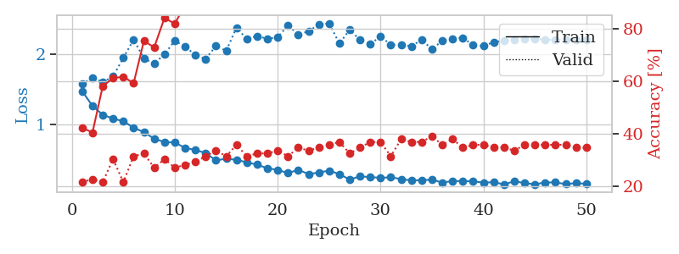
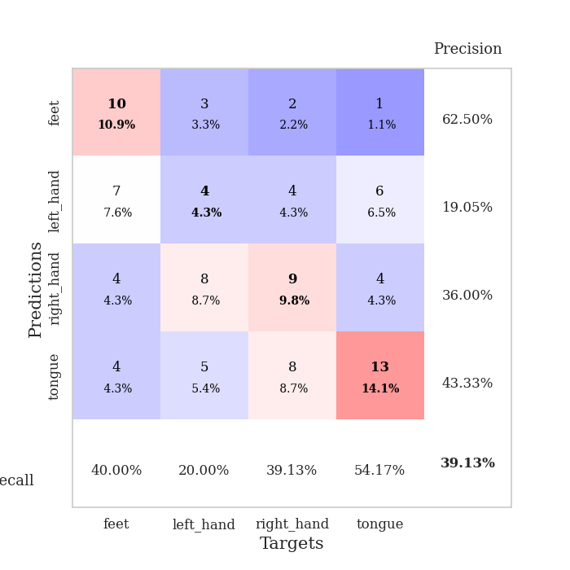
train_loss | valid_loss | train_accuracy | valid_accuracy | dur | train_misclass | valid_misclass
1.4768322706 | 1.574912688 | 0.42391304348 | 0.21739130435 | 0.080663442612 | 42.391304348 | 21.739130435
1.2678633928 | 1.6688553717 | 0.40489130435 | 0.22826086957 | 0.079279184341 | 40.489130435 | 22.826086957
1.1425911473 | 1.6068670387 | 0.58152173913 | 0.21739130435 | 0.079315423965 | 58.152173913 | 21.739130435
1.0890053303 | 1.6848763538 | 0.61141304348 | 0.30434782609 | 0.07955121994 | 61.141304348 | 30.434782609
1.0510647038 | 1.9490524997 | 0.61684782609 | 0.21739130435 | 0.079761266708 | 61.684782609 | 21.739130435
0.9599634098 | 2.2070141564 | 0.59239130435 | 0.3152173913 | 0.080957174301 | 59.239130435 | 31.52173913
0.89672949003 | 1.941342613 | 0.7527173913 | 0.32608695652 | 0.080729484558 | 75.27173913 | 32.608695652
0.80327659586 | 1.8657530287 | 0.72826086957 | 0.27173913043 | 0.079926490784 | 72.826086957 | 27.173913043
0.75671124458 | 2.0004857882 | 0.83967391304 | 0.30434782609 | 0.07989525795 | 83.967391304 | 30.434782609
0.74831478233 | 2.1903860258 | 0.81793478261 | 0.27173913043 | 0.080277919769 | 81.793478261 | 27.173913043
0.67514391049 | 2.1087110094 | 0.88858695652 | 0.28260869565 | 0.080154180527 | 88.858695652 | 28.260869565
0.64307321543 | 1.9895202543 | 0.90217391304 | 0.29347826087 | 0.079698562622 | 90.217391304 | 29.347826087
0.60101308771 | 1.9330843065 | 0.91032608696 | 0.3152173913 | 0.079825639725 | 91.032608696 | 31.52173913
0.49685560037 | 2.1175475587 | 0.91576086957 | 0.33695652174 | 0.079921007156 | 91.576086957 | 33.695652174
0.51977013635 | 2.0484184027 | 0.91304347826 | 0.3152173913 | 0.080369710922 | 91.304347826 | 31.52173913
0.50555030807 | 2.3773403116 | 0.9375 | 0.35869565217 | 0.080143928528 | 93.75 | 35.869565217
0.46799849751 | 2.2149865316 | 0.95923913043 | 0.3152173913 | 0.079774618149 | 95.923913043 | 31.52173913
0.43683243446 | 2.2574389136 | 0.97826086957 | 0.32608695652 | 0.080542087555 | 97.826086957 | 32.608695652
0.38465643577 | 2.2174829245 | 0.96739130435 | 0.32608695652 | 0.080750465393 | 96.739130435 | 32.608695652
0.36240535586 | 2.240416449 | 0.97554347826 | 0.33695652174 | 0.080039262772 | 97.554347826 | 33.695652174
0.31659191069 | 2.4071863112 | 0.95108695652 | 0.3152173913 | 0.079809904099 | 95.108695652 | 31.52173913
0.36292549709 | 2.2796161019 | 0.98641304348 | 0.34782608696 | 0.079786777496 | 98.641304348 | 34.782608696
0.30329195831 | 2.3243384517 | 0.98913043478 | 0.33695652174 | 0.079787731171 | 98.913043478 | 33.695652174
0.32454603068 | 2.4222315705 | 0.98097826087 | 0.34782608696 | 0.079713106155 | 98.097826087 | 34.782608696
0.35159107913 | 2.4379589247 | 0.98097826087 | 0.35869565217 | 0.07971072197 | 98.097826087 | 35.869565217
0.30195979126 | 2.1513023532 | 0.9972826087 | 0.36956521739 | 0.079811096191 | 99.72826087 | 36.956521739
0.22555528711 | 2.3467509695 | 0.99184782609 | 0.32608695652 | 0.079951763153 | 99.184782609 | 32.608695652
0.2700671505 | 2.2013899036 | 0.9972826087 | 0.34782608696 | 0.079926729202 | 99.72826087 | 34.782608696
0.26073563682 | 2.1416842056 | 0.99456521739 | 0.36956521739 | 0.080388307571 | 99.456521739 | 36.956521739
0.24900709481 | 2.2536350333 | 0.9972826087 | 0.36956521739 | 0.080065727234 | 99.72826087 | 36.956521739
0.25766131897 | 2.131546347 | 0.99456521739 | 0.3152173913 | 0.080022096634 | 99.456521739 | 31.52173913
0.23196483954 | 2.1368736754 | 1 | 0.38043478261 | 0.080264091492 | 100 | 38.043478261
0.21289617503 | 2.1123069991 | 0.99456521739 | 0.36956521739 | 0.079909324646 | 99.456521739 | 36.956521739
0.2174191896 | 2.2076082748 | 1 | 0.36956521739 | 0.079807281494 | 100 | 36.956521739
0.22227839769 | 2.0679981579 | 0.9972826087 | 0.39130434783 | 0.079910755157 | 99.72826087 | 39.130434783
0.18319880444 | 2.1929151545 | 1 | 0.35869565217 | 0.079979658127 | 100 | 35.869565217
0.20408671284 | 2.2202998322 | 1 | 0.38043478261 | 0.079880714417 | 100 | 38.043478261
0.20324787562 | 2.2304976401 | 1 | 0.34782608696 | 0.080264568329 | 100 | 34.782608696
0.20009045967 | 2.129681766 | 1 | 0.35869565217 | 0.079879283905 | 100 | 35.869565217
0.18130928456 | 2.1165592981 | 1 | 0.35869565217 | 0.079860448837 | 100 | 35.869565217
0.18818274853 | 2.1714204964 | 1 | 0.34782608696 | 0.079971075058 | 100 | 34.782608696
0.15720269991 | 2.1920930044 | 1 | 0.34782608696 | 0.079967498779 | 100 | 34.782608696
0.20143466443 | 2.2070729111 | 1 | 0.33695652174 | 0.080281972885 | 100 | 33.695652174
0.17476446441 | 2.2152634548 | 1 | 0.35869565217 | 0.080215930939 | 100 | 35.869565217
0.15871448297 | 2.2188754807 | 1 | 0.35869565217 | 0.080201387405 | 100 | 35.869565217
0.18401159994 | 2.206200553 | 1 | 0.35869565217 | 0.080038309097 | 100 | 35.869565217
0.18472747926 | 2.2032934635 | 1 | 0.35869565217 | 0.079876661301 | 100 | 35.869565217
0.16058166325 | 2.2027432763 | 1 | 0.35869565217 | 0.080116510391 | 100 | 35.869565217
0.17506924984 | 2.2058731732 | 1 | 0.34782608696 | 0.079846143723 | 100 | 34.782608696
0.16431339733 | 2.206709784 | 1 | 0.34782608696 | 0.080067634583 | 100 | 34.782608696

Best Val accuracy is 0.391304347826087 and Best test accuracy is 0.3706896551724138

Sheet6
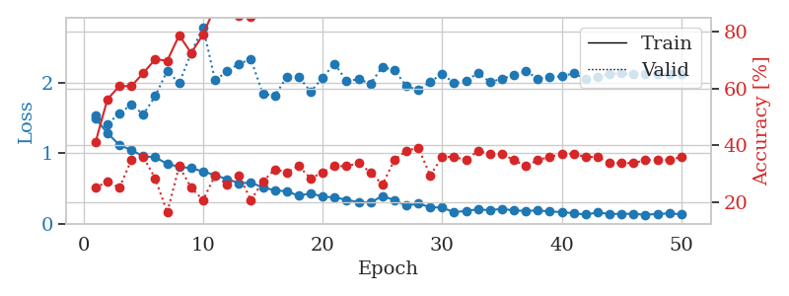
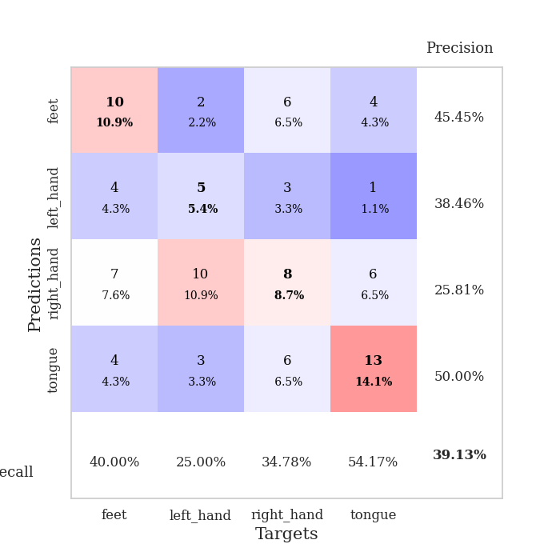
train_loss | valid_loss | train_accuracy | valid_accuracy | dur | train_misclass | valid_misclass
1.496366931 | 1.5312845655 | 0.41032608696 | 0.25 | 0.080775260925 | 41.032608696 | 25
1.2865637644 | 1.4121105826 | 0.5625 | 0.27173913043 | 0.079759836197 | 56.25 | 27.173913043
1.1201471349 | 1.5692206051 | 0.60869565217 | 0.25 | 0.079722642899 | 60.869565217 | 25
1.0458287882 | 1.6906007684 | 0.60869565217 | 0.34782608696 | 0.079959869385 | 60.869565217 | 34.782608696
0.95918340527 | 1.5532601035 | 0.65489130435 | 0.35869565217 | 0.080297231674 | 65.489130435 | 35.869565217
0.9437665136 | 1.8124538816 | 0.70380434783 | 0.28260869565 | 0.080265283585 | 70.380434783 | 28.260869565
0.85178614699 | 2.171747643 | 0.69836956522 | 0.16304347826 | 0.079743623734 | 69.836956522 | 16.304347826
0.80972104746 | 1.9931897599 | 0.78804347826 | 0.32608695652 | 0.07970905304 | 78.804347826 | 32.608695652
0.78936996538 | 2.4245722087 | 0.72554347826 | 0.25 | 0.079670190811 | 72.554347826 | 25
0.74424293637 | 2.7905922662 | 0.79076086957 | 0.20652173913 | 0.079889297485 | 79.076086957 | 20.652173913
0.69093167523 | 2.0355915505 | 0.88858695652 | 0.29347826087 | 0.079999923706 | 88.858695652 | 29.347826087
0.63379833361 | 2.1620534607 | 0.8777173913 | 0.26086956522 | 0.080027580261 | 87.77173913 | 26.086956522
0.57909786442 | 2.2718561732 | 0.85597826087 | 0.29347826087 | 0.080040693283 | 85.597826087 | 29.347826087
0.58269884405 | 2.3338027467 | 0.85326086957 | 0.20652173913 | 0.07995223999 | 85.326086957 | 20.652173913
0.51933137619 | 1.8453542927 | 0.9402173913 | 0.27173913043 | 0.079623699188 | 94.02173913 | 27.173913043
0.4744981929 | 1.8165660526 | 0.96195652174 | 0.3152173913 | 0.079590082169 | 96.195652174 | 31.52173913
0.46302966968 | 2.0823383124 | 0.96739130435 | 0.30434782609 | 0.079667806625 | 96.739130435 | 30.434782609
0.39789047578 | 2.0870825571 | 0.95923913043 | 0.32608695652 | 0.079287528992 | 95.923913043 | 32.608695652
0.43501008982 | 1.8738077205 | 0.95108695652 | 0.28260869565 | 0.079188108444 | 95.108695652 | 28.260869565
0.38344716054 | 2.0760178618 | 0.96739130435 | 0.30434782609 | 0.079490423203 | 96.739130435 | 30.434782609
0.37732022288 | 2.2715135916 | 0.97554347826 | 0.32608695652 | 0.079460382462 | 97.554347826 | 32.608695652
0.34040198637 | 2.026444518 | 0.98097826087 | 0.32608695652 | 0.079853057861 | 98.097826087 | 32.608695652
0.30874693199 | 2.0509943288 | 0.98641304348 | 0.33695652174 | 0.079919338226 | 98.641304348 | 33.695652174
0.30186217343 | 1.9902710915 | 0.95380434783 | 0.30434782609 | 0.079902172089 | 95.380434783 | 30.434782609
0.39560224764 | 2.2268456739 | 0.99456521739 | 0.26086956522 | 0.07997584343 | 99.456521739 | 26.086956522
0.33666189436 | 2.1793767317 | 0.9972826087 | 0.34782608696 | 0.079855203629 | 99.72826087 | 34.782608696
0.2573383836 | 1.957381956 | 0.99184782609 | 0.38043478261 | 0.079820871353 | 99.184782609 | 38.043478261
0.28746137898 | 1.8969681496 | 0.9972826087 | 0.39130434783 | 0.080023050308 | 99.72826087 | 39.130434783
0.23682535683 | 2.0161662154 | 0.9972826087 | 0.29347826087 | 0.079993724823 | 99.72826087 | 29.347826087
0.2302820851 | 2.127061082 | 1 | 0.35869565217 | 0.079825878143 | 100 | 35.869565217
0.16385305511 | 1.9957496731 | 1 | 0.35869565217 | 0.080131292343 | 100 | 35.869565217
0.18547256453 | 2.0340070128 | 1 | 0.34782608696 | 0.079856395721 | 100 | 34.782608696
0.20591182165 | 2.1369437394 | 1 | 0.38043478261 | 0.08204293251 | 100 | 38.043478261
0.19290592635 | 2.0109516382 | 0.99184782609 | 0.36956521739 | 0.079137802124 | 99.184782609 | 36.956521739
0.21399147728 | 2.0585223929 | 1 | 0.36956521739 | 0.07877779007 | 100 | 36.956521739
0.18941227282 | 2.1096024746 | 1 | 0.34782608696 | 0.07874250412 | 100 | 34.782608696
0.18443944014 | 2.1656782886 | 1 | 0.32608695652 | 0.078746795654 | 100 | 32.608695652
0.1894845062 | 2.0611042717 | 1 | 0.34782608696 | 0.078846216202 | 100 | 34.782608696
0.17675138524 | 2.0796665549 | 1 | 0.35869565217 | 0.078723669052 | 100 | 35.869565217
0.16600238483 | 2.0949233952 | 1 | 0.36956521739 | 0.078710079193 | 100 | 36.956521739
0.15089782473 | 2.1354687447 | 1 | 0.36956521739 | 0.078667879105 | 100 | 36.956521739
0.13214539534 | 2.0542767437 | 1 | 0.35869565217 | 0.078746080399 | 100 | 35.869565217
0.16159726193 | 2.083329916 | 1 | 0.35869565217 | 0.078918218613 | 100 | 35.869565217
0.14020021406 | 2.1281027794 | 1 | 0.33695652174 | 0.078850507736 | 100 | 33.695652174
0.14194451127 | 2.1351728621 | 1 | 0.33695652174 | 0.078835248947 | 100 | 33.695652174
0.14307748202 | 2.1211904546 | 1 | 0.33695652174 | 0.07888507843 | 100 | 33.695652174
0.12793066579 | 2.1189117613 | 1 | 0.34782608696 | 0.078857421875 | 100 | 34.782608696
0.14202350038 | 2.1197450757 | 1 | 0.34782608696 | 0.078864812851 | 100 | 34.782608696
0.14686589445 | 2.1198688383 | 1 | 0.34782608696 | 0.078755617142 | 100 | 34.782608696
0.1367217887 | 2.1201860723 | 1 | 0.35869565217 | 0.078733444214 | 100 | 35.869565217

Best Val accuracy is 0.391304347826087 and Best test accuracy is 0.41379310344827586

Sheet7
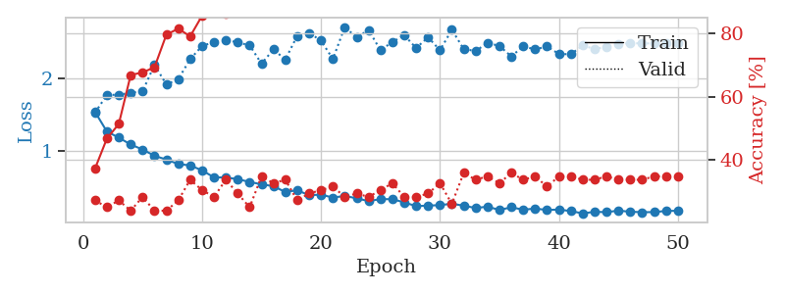
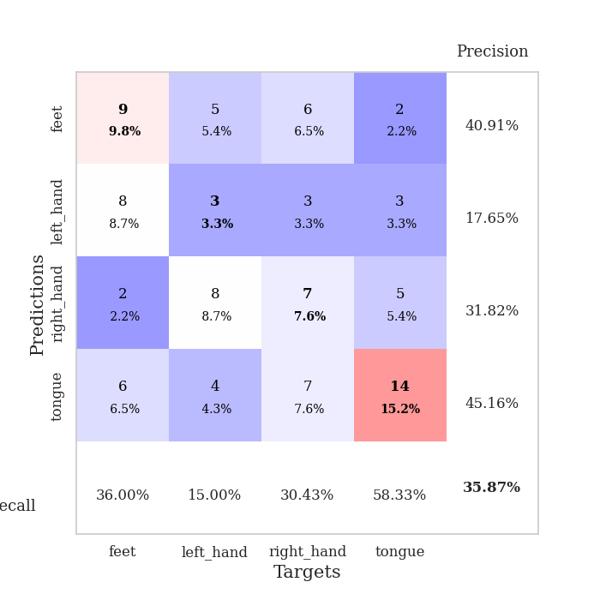
train_loss | valid_loss | train_accuracy | valid_accuracy | dur | train_misclass | valid_misclass
1.5348537953 | 1.5226786188 | 0.3722826087 | 0.27173913043 | 0.079865694046 | 37.22826087 | 27.173913043
1.2628523785 | 1.7690948714 | 0.46739130435 | 0.25 | 0.078844547272 | 46.739130435 | 25
1.1788017465 | 1.7694857224 | 0.51358695652 | 0.27173913043 | 0.078967809677 | 51.358695652 | 27.173913043
1.0838849026 | 1.7990405767 | 0.66847826087 | 0.23913043478 | 0.079206466675 | 66.847826087 | 23.913043478
1.0144539501 | 1.8188240321 | 0.67663043478 | 0.28260869565 | 0.078954458237 | 67.663043478 | 28.260869565
0.92814240248 | 2.1837431452 | 0.69293478261 | 0.23913043478 | 0.079067707062 | 69.293478261 | 23.913043478
0.87579912466 | 1.9128811308 | 0.79619565217 | 0.23913043478 | 0.078989028931 | 79.619565217 | 23.913043478
0.81466735835 | 1.9859455513 | 0.8152173913 | 0.27173913043 | 0.078788995743 | 81.52173913 | 27.173913043
0.79484817774 | 2.2622978998 | 0.79076086957 | 0.33695652174 | 0.083899021149 | 79.076086957 | 33.695652174
0.72696434933 | 2.4440737807 | 0.85597826087 | 0.30434782609 | 0.079343318939 | 85.597826087 | 30.434782609
0.63029673696 | 2.4986166436 | 0.88586956522 | 0.28260869565 | 0.079476594925 | 88.586956522 | 28.260869565
0.62849877451 | 2.5305627325 | 0.86141304348 | 0.33695652174 | 0.079582691193 | 86.141304348 | 33.695652174
0.60532512743 | 2.4920300297 | 0.89402173913 | 0.29347826087 | 0.079470396042 | 89.402173913 | 29.347826087
0.56674793039 | 2.4530659344 | 0.91576086957 | 0.25 | 0.079684019089 | 91.576086957 | 25
0.5342370168 | 2.1997792565 | 0.92934782609 | 0.34782608696 | 0.079608440399 | 92.934782609 | 34.782608696
0.50843244208 | 2.3960237503 | 0.91576086957 | 0.32608695652 | 0.079527854919 | 91.576086957 | 32.608695652
0.42806913606 | 2.2570481249 | 0.94293478261 | 0.33695652174 | 0.079256296158 | 94.293478261 | 33.695652174
0.45250277869 | 2.5839785286 | 0.96467391304 | 0.27173913043 | 0.082278966904 | 96.467391304 | 27.173913043
0.38360413067 | 2.625487369 | 0.96467391304 | 0.29347826087 | 0.079632043839 | 96.467391304 | 29.347826087
0.39204746938 | 2.5178676584 | 0.97282608696 | 0.30434782609 | 0.0797123909 | 97.282608696 | 30.434782609
0.35042654496 | 2.26437309 | 0.95652173913 | 0.3152173913 | 0.079620838165 | 95.652173913 | 31.52173913
0.37455787024 | 2.7068336425 | 0.98913043478 | 0.28260869565 | 0.07980966568 | 98.913043478 | 28.260869565
0.34049259256 | 2.5593755245 | 0.97010869565 | 0.29347826087 | 0.079325675964 | 97.010869565 | 29.347826087
0.30298405043 | 2.6658940315 | 0.98641304348 | 0.28260869565 | 0.079061031342 | 98.641304348 | 28.260869565
0.329461973 | 2.3853009058 | 0.99456521739 | 0.30434782609 | 0.079528093338 | 99.456521739 | 30.434782609
0.32917988981 | 2.4988524395 | 0.99184782609 | 0.32608695652 | 0.079506635666 | 99.184782609 | 32.608695652
0.28465901348 | 2.5924902481 | 0.99184782609 | 0.28260869565 | 0.079419136047 | 99.184782609 | 28.260869565
0.23263006269 | 2.4152779786 | 0.99456521739 | 0.28260869565 | 0.079426050186 | 99.456521739 | 28.260869565
0.24071687314 | 2.5655333167 | 0.9972826087 | 0.29347826087 | 0.079682588577 | 99.72826087 | 29.347826087
0.24658085341 | 2.384606605 | 0.99456521739 | 0.32608695652 | 0.079665899277 | 99.456521739 | 32.608695652
0.26666030353 | 2.668393529 | 0.9972826087 | 0.26086956522 | 0.079602718353 | 99.72826087 | 26.086956522
0.238623392 | 2.4009548063 | 1 | 0.35869565217 | 0.079598665237 | 100 | 35.869565217
0.20738256917 | 2.375050695 | 0.9972826087 | 0.33695652174 | 0.079665660858 | 99.72826087 | 33.695652174
0.22565002415 | 2.4867745223 | 0.9972826087 | 0.34782608696 | 0.079557180405 | 99.72826087 | 34.782608696
0.1801856753 | 2.4448118832 | 1 | 0.32608695652 | 0.079495191574 | 100 | 32.608695652
0.21734855972 | 2.3004379117 | 1 | 0.35869565217 | 0.079470396042 | 100 | 35.869565217
0.18370714184 | 2.4390728629 | 1 | 0.33695652174 | 0.079417943954 | 100 | 33.695652174
0.19965130156 | 2.3966305515 | 1 | 0.34782608696 | 0.079467773438 | 100 | 34.782608696
0.18001397278 | 2.4374872291 | 1 | 0.3152173913 | 0.079455137253 | 100 | 31.52173913
0.18563658615 | 2.3344281705 | 1 | 0.34782608696 | 0.079676628113 | 100 | 34.782608696
0.16479378631 | 2.3296444312 | 1 | 0.34782608696 | 0.079585313797 | 100 | 34.782608696
0.13282576932 | 2.4517378133 | 1 | 0.33695652174 | 0.07960486412 | 100 | 33.695652174
0.15462595289 | 2.4021251357 | 1 | 0.33695652174 | 0.079520702362 | 100 | 33.695652174
0.14983198468 | 2.4321014363 | 1 | 0.34782608696 | 0.079476118088 | 100 | 34.782608696
0.17112775455 | 2.4739234499 | 1 | 0.33695652174 | 0.079551458359 | 100 | 33.695652174
0.15564446119 | 2.482476732 | 1 | 0.33695652174 | 0.079496622086 | 100 | 33.695652174
0.14945235071 | 2.4804055846 | 1 | 0.33695652174 | 0.082367897034 | 100 | 33.695652174
0.15051123662 | 2.4789993607 | 1 | 0.34782608696 | 0.079294681549 | 100 | 34.782608696
0.1666046977 | 2.4791615165 | 1 | 0.34782608696 | 0.079214811325 | 100 | 34.782608696
0.16868548597 | 2.4795848546 | 1 | 0.34782608696 | 0.081614017487 | 100 | 34.782608696

Best Val accuracy is 0.358695652173913 and Best test accuracy is 0.33620689655172414

Sheet8
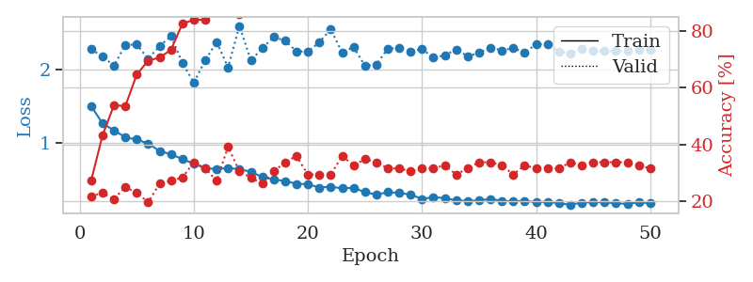
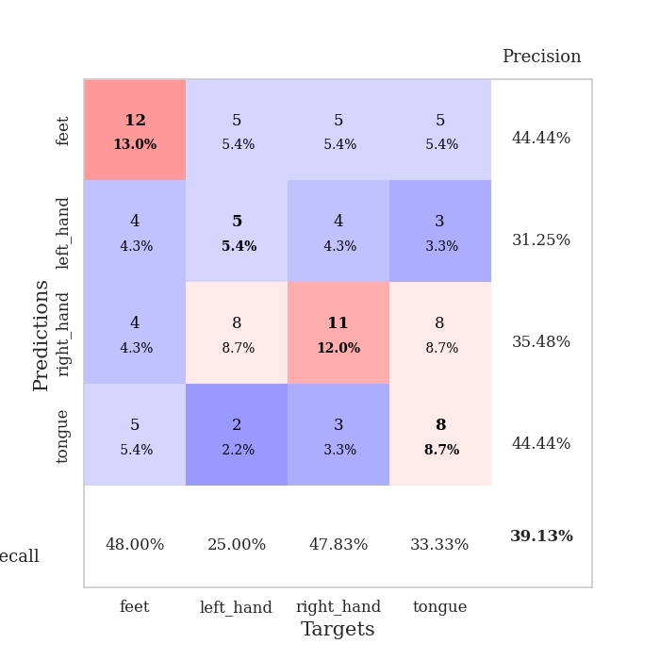
train_loss | valid_loss | train_accuracy | valid_accuracy | dur | train_misclass | valid_misclass
1.5030716865 | 2.2809222988 | 0.27173913043 | 0.21739130435 | 0.082027673721 | 27.173913043 | 21.739130435
1.265156536 | 2.1830148593 | 0.43206521739 | 0.22826086957 | 0.078951120377 | 43.206521739 | 22.826086957
1.1707183304 | 2.0558031331 | 0.53804347826 | 0.20652173913 | 0.07910823822 | 53.804347826 | 20.652173913
1.0748198577 | 2.340235337 | 0.53532608696 | 0.25 | 0.078999042511 | 53.532608696 | 25
1.0440371866 | 2.3456180096 | 0.64673913043 | 0.22826086957 | 0.080840826035 | 64.673913043 | 22.826086957
0.98964566511 | 2.1503810209 | 0.69565217391 | 0.19565217391 | 0.07941532135 | 69.565217391 | 19.565217391
0.88688387042 | 2.3242207921 | 0.70652173913 | 0.26086956522 | 0.078845024109 | 70.652173913 | 26.086956522
0.84255411832 | 2.4606980552 | 0.73369565217 | 0.27173913043 | 0.079196691513 | 73.369565217 | 27.173913043
0.77590169596 | 2.0933830531 | 0.82608695652 | 0.28260869565 | 0.079424142838 | 82.608695652 | 28.260869565
0.71301064932 | 1.8239458696 | 0.83967391304 | 0.33695652174 | 0.079482316971 | 83.967391304 | 33.695652174
0.65173989275 | 2.1287936231 | 0.83967391304 | 0.3152173913 | 0.079639673233 | 83.967391304 | 31.52173913
0.64028488553 | 2.3812190968 | 0.86684782609 | 0.27173913043 | 0.079403400421 | 86.684782609 | 27.173913043
0.65484588043 | 2.0323233397 | 0.89945652174 | 0.39130434783 | 0.079499721527 | 89.945652174 | 39.130434783
0.63801686012 | 2.601522031 | 0.85869565217 | 0.30434782609 | 0.079388141632 | 85.869565217 | 30.434782609
0.60357033623 | 2.1268705181 | 0.91032608696 | 0.28260869565 | 0.079669713974 | 91.032608696 | 28.260869565
0.52904324428 | 2.2945939458 | 0.9347826087 | 0.26086956522 | 0.079262018204 | 93.47826087 | 26.086956522
0.49824797524 | 2.4487559173 | 0.94836956522 | 0.30434782609 | 0.07915353775 | 94.836956522 | 30.434782609
0.47651699574 | 2.3975345985 | 0.96467391304 | 0.33695652174 | 0.079180955887 | 96.467391304 | 33.695652174
0.43766001644 | 2.2536386925 | 0.91847826087 | 0.35869565217 | 0.079287528992 | 91.847826087 | 35.869565217
0.43303312556 | 2.2462172508 | 0.97554347826 | 0.29347826087 | 0.079416036606 | 97.554347826 | 29.347826087
0.386263871 | 2.3791902687 | 0.95108695652 | 0.29347826087 | 0.079572439194 | 95.108695652 | 29.347826087
0.39831646759 | 2.5536885987 | 0.92934782609 | 0.29347826087 | 0.079502105713 | 92.934782609 | 29.347826087
0.37516105369 | 2.2356820728 | 0.98097826087 | 0.35869565217 | 0.07953953743 | 98.097826087 | 35.869565217
0.38407949261 | 2.3125773616 | 0.96467391304 | 0.32608695652 | 0.079306125641 | 96.467391304 | 32.608695652
0.32252996706 | 2.053795063 | 0.95923913043 | 0.34782608696 | 0.079379320145 | 95.923913043 | 34.782608696
0.29094365919 | 2.0709424434 | 0.97010869565 | 0.33695652174 | 0.082325935364 | 97.010869565 | 33.695652174
0.32275330567 | 2.2897580966 | 1 | 0.3152173913 | 0.079934358597 | 100 | 31.52173913
0.31371498578 | 2.2975211351 | 0.99456521739 | 0.3152173913 | 0.078861951828 | 99.456521739 | 31.52173913
0.28958205231 | 2.2506650012 | 1 | 0.30434782609 | 0.078771114349 | 100 | 30.434782609
0.23062504051 | 2.2848911545 | 1 | 0.3152173913 | 0.078694820404 | 100 | 31.52173913
0.25456633548 | 2.1654639451 | 0.98913043478 | 0.3152173913 | 0.07878446579 | 98.913043478 | 31.52173913
0.24204796844 | 2.1980220598 | 0.98913043478 | 0.32608695652 | 0.07861495018 | 98.913043478 | 32.608695652
0.20905510692 | 2.2793834209 | 0.99184782609 | 0.29347826087 | 0.078692913055 | 99.184782609 | 29.347826087
0.20321718474 | 2.1857257563 | 0.98641304348 | 0.3152173913 | 0.078639745712 | 98.641304348 | 31.52173913
0.20921803865 | 2.2314567203 | 0.9972826087 | 0.33695652174 | 0.078561544418 | 99.72826087 | 33.695652174
0.23033866027 | 2.3039882701 | 1 | 0.33695652174 | 0.078767776489 | 100 | 33.695652174
0.20307201244 | 2.2661856517 | 1 | 0.32608695652 | 0.078697919846 | 100 | 32.608695652
0.19623408531 | 2.2974844238 | 1 | 0.29347826087 | 0.078581571579 | 100 | 29.347826087
0.2061703197 | 2.2366374731 | 1 | 0.32608695652 | 0.078544378281 | 100 | 32.608695652
0.18362594023 | 2.3482980728 | 1 | 0.3152173913 | 0.078962087631 | 100 | 31.52173913
0.19313551081 | 2.3509701231 | 1 | 0.3152173913 | 0.078715801239 | 100 | 31.52173913
0.17051419162 | 2.2503455618 | 1 | 0.3152173913 | 0.078731298447 | 100 | 31.52173913
0.15188670984 | 2.2263400606 | 1 | 0.33695652174 | 0.078750371933 | 100 | 33.695652174
0.17972857926 | 2.2802660776 | 1 | 0.32608695652 | 0.081746339798 | 100 | 32.608695652
0.18683409561 | 2.2571313433 | 1 | 0.33695652174 | 0.079267024994 | 100 | 33.695652174
0.18383274195 | 2.2578967965 | 1 | 0.33695652174 | 0.079307556152 | 100 | 33.695652174
0.17171060164 | 2.2562229892 | 1 | 0.33695652174 | 0.079256772995 | 100 | 33.695652174
0.16159145599 | 2.2619290818 | 1 | 0.33695652174 | 0.079073905945 | 100 | 33.695652174
0.18795010269 | 2.2684484306 | 1 | 0.32608695652 | 0.079008579254 | 100 | 32.608695652
0.16979773569 | 2.2731220567 | 1 | 0.3152173913 | 0.079070329666 | 100 | 31.52173913

Best Val accuracy is 0.391304347826087 and Best test accuracy is 0.35344827586206895

Sheet9
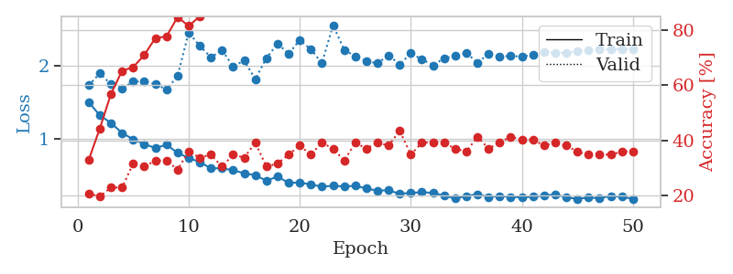
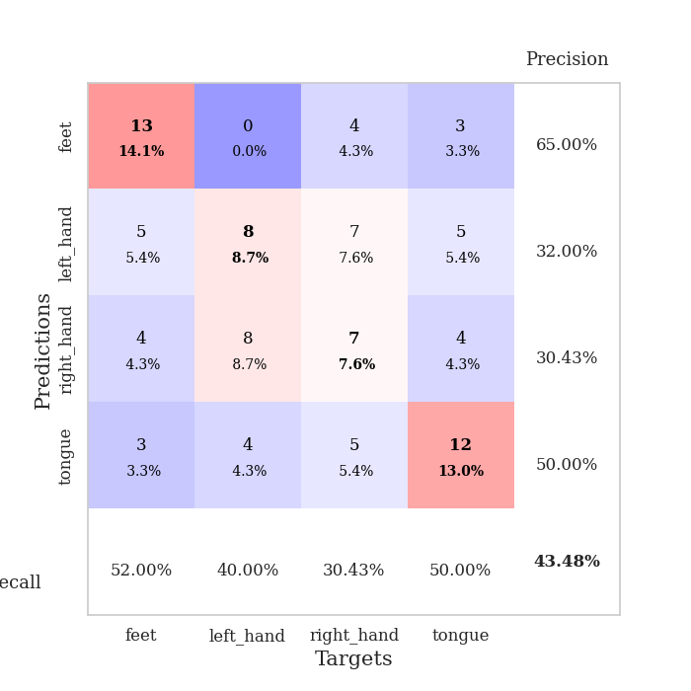
train_loss | valid_loss | train_accuracy | valid_accuracy | dur | train_misclass | valid_misclass
1.5018156404 | 1.7333405122 | 0.32880434783 | 0.20652173913 | 0.079916238785 | 32.880434783 | 20.652173913
1.3194149318 | 1.9010758037 | 0.44293478261 | 0.19565217391 | 0.078309059143 | 44.293478261 | 19.565217391
1.2150279983 | 1.7461373029 | 0.56793478261 | 0.22826086957 | 0.078733921051 | 56.793478261 | 22.826086957
1.0769974926 | 1.6914881209 | 0.65217391304 | 0.22826086957 | 0.07910990715 | 65.217391304 | 22.826086957
0.98819917181 | 1.7856985745 | 0.66576086957 | 0.3152173913 | 0.078902244568 | 66.576086957 | 31.52173913
0.92355009266 | 1.7907108017 | 0.70923913043 | 0.30434782609 | 0.079017162323 | 70.923913043 | 30.434782609
0.86729733192 | 1.753151422 | 0.77173913043 | 0.32608695652 | 0.078907489777 | 77.173913043 | 32.608695652
0.91353385086 | 1.6738061438 | 0.77717391304 | 0.32608695652 | 0.079007148743 | 77.717391304 | 32.608695652
0.80165345125 | 1.8633689725 | 0.84782608696 | 0.29347826087 | 0.079124927521 | 84.782608696 | 29.347826087
0.73142226364 | 2.4646179883 | 0.8152173913 | 0.35869565217 | 0.079406499863 | 81.52173913 | 35.869565217
0.67325547856 | 2.2788173116 | 0.85054347826 | 0.33695652174 | 0.07919883728 | 85.054347826 | 33.695652174
0.58890260691 | 2.1212177795 | 0.89402173913 | 0.34782608696 | 0.07916021347 | 89.402173913 | 34.782608696
0.58812136365 | 2.2202490827 | 0.89130434783 | 0.30434782609 | 0.079622268677 | 89.130434783 | 30.434782609
0.56154462695 | 1.9965203171 | 0.92391304348 | 0.34782608696 | 0.079124212265 | 92.391304348 | 34.782608696
0.51989181469 | 2.0746928298 | 0.93206521739 | 0.33695652174 | 0.078792572021 | 93.206521739 | 33.695652174
0.49255259011 | 1.818882284 | 0.92391304348 | 0.39130434783 | 0.078735113144 | 92.391304348 | 39.130434783
0.41641648891 | 2.1111330001 | 0.95380434783 | 0.30434782609 | 0.079167366028 | 95.380434783 | 30.434782609
0.47426550803 | 2.3099123602 | 0.91304347826 | 0.3152173913 | 0.079099178314 | 91.304347826 | 31.52173913
0.38626336339 | 2.1715577582 | 0.97826086957 | 0.34782608696 | 0.079065084457 | 97.826086957 | 34.782608696
0.39313474168 | 2.3593449282 | 0.97282608696 | 0.38043478261 | 0.079004526138 | 97.282608696 | 38.043478261
0.36288343143 | 2.230956316 | 0.97826086957 | 0.34782608696 | 0.078885793686 | 97.826086957 | 34.782608696
0.33511522542 | 2.0410238349 | 0.98641304348 | 0.39130434783 | 0.078811645508 | 98.641304348 | 39.130434783
0.34629361267 | 2.5657826818 | 0.96739130435 | 0.36956521739 | 0.078745126724 | 96.739130435 | 36.956521739
0.33594970697 | 2.2240708859 | 0.96739130435 | 0.32608695652 | 0.079138994217 | 96.739130435 | 32.608695652
0.34769199789 | 2.1359119985 | 0.98913043478 | 0.39130434783 | 0.07891535759 | 98.913043478 | 39.130434783
0.30777946762 | 2.0650880596 | 0.99456521739 | 0.36956521739 | 0.079206943512 | 99.456521739 | 36.956521739
0.2789271895 | 2.0392002023 | 0.99456521739 | 0.39130434783 | 0.079291820526 | 99.456521739 | 39.130434783
0.28473655685 | 2.149226028 | 0.9972826087 | 0.38043478261 | 0.07933139801 | 99.72826087 | 38.043478261
0.2347699177 | 2.0232517201 | 1 | 0.4347826087 | 0.079416751862 | 100 | 43.47826087
0.24948643925 | 2.1766642228 | 0.99456521739 | 0.34782608696 | 0.078827142715 | 99.456521739 | 34.782608696
0.25711580722 | 2.0930764934 | 1 | 0.39130434783 | 0.079901695251 | 100 | 39.130434783
0.2493158242 | 2.0107010344 | 1 | 0.39130434783 | 0.079660415649 | 100 | 39.130434783
0.21116329373 | 2.1089183921 | 1 | 0.39130434783 | 0.079264879227 | 100 | 39.130434783
0.1719335431 | 2.140489117 | 1 | 0.36956521739 | 0.079080581665 | 100 | 36.956521739
0.2048637394 | 2.1832793433 | 1 | 0.35869565217 | 0.079287528992 | 100 | 35.869565217
0.23017767525 | 2.0456011554 | 1 | 0.41304347826 | 0.079057216644 | 100 | 41.304347826
0.1915606764 | 2.1679120116 | 1 | 0.36956521739 | 0.079156160355 | 100 | 36.956521739
0.20564697165 | 2.1318456764 | 1 | 0.39130434783 | 0.079042196274 | 100 | 39.130434783
0.19346591668 | 2.1400302856 | 1 | 0.41304347826 | 0.078824281693 | 100 | 41.304347826
0.18697429813 | 2.1313587064 | 1 | 0.40217391304 | 0.079151391983 | 100 | 40.217391304
0.19529685313 | 2.1605131056 | 1 | 0.40217391304 | 0.079019784927 | 100 | 40.217391304
0.21006999343 | 2.1896864176 | 1 | 0.38043478261 | 0.079451322556 | 100 | 38.043478261
0.22811160723 | 2.1872197804 | 1 | 0.39130434783 | 0.079456329346 | 100 | 39.130434783
0.18642953799 | 2.1844474077 | 1 | 0.38043478261 | 0.079285621643 | 100 | 38.043478261
0.16591769198 | 2.2063762779 | 1 | 0.35869565217 | 0.078642845154 | 100 | 35.869565217
0.18382910736 | 2.221599781 | 1 | 0.34782608696 | 0.079736471176 | 100 | 34.782608696
0.17515390771 | 2.2287858621 | 1 | 0.34782608696 | 0.082330226898 | 100 | 34.782608696
0.2061704428 | 2.2320767537 | 1 | 0.34782608696 | 0.078706741333 | 100 | 34.782608696
0.19580340936 | 2.2356867324 | 1 | 0.35869565217 | 0.078591585159 | 100 | 35.869565217
0.16569427984 | 2.2359572027 | 1 | 0.35869565217 | 0.078592300415 | 100 | 35.869565217

Best Val accuracy is 0.43478260869565216 and Best test accuracy is 0.3448275862068966

Sheet10
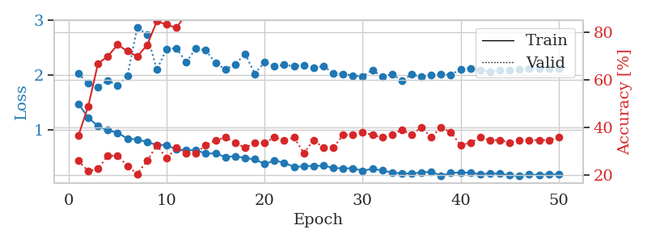
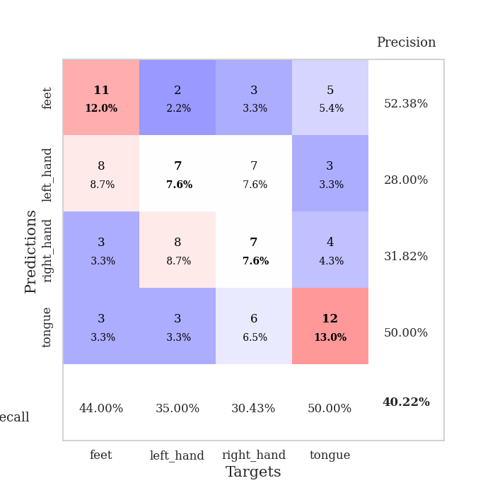
train_loss | valid_loss | train_accuracy | valid_accuracy | dur | train_misclass | valid_misclass
1.4734689412 | 2.0216782715 | 0.36684782609 | 0.26086956522 | 0.080177783966 | 36.684782609 | 26.086956522
1.2207580649 | 1.8483745533 | 0.48913043478 | 0.21739130435 | 0.078897237778 | 48.913043478 | 21.739130435
1.063984547 | 1.7768032033 | 0.66847826087 | 0.22826086957 | 0.078779220581 | 66.847826087 | 22.826086957
0.99025313491 | 1.9009474464 | 0.69836956522 | 0.28260869565 | 0.079423666 | 69.836956522 | 28.260869565
0.94398606342 | 1.8070002639 | 0.7472826087 | 0.28260869565 | 0.079586982727 | 74.72826087 | 28.260869565
0.83687103054 | 1.9839498893 | 0.72010869565 | 0.23913043478 | 0.079191923141 | 72.010869565 | 23.913043478
0.82241568617 | 2.8645871826 | 0.69836956522 | 0.20652173913 | 0.081456661224 | 69.836956522 | 20.652173913
0.77372816335 | 2.7421381059 | 0.74456521739 | 0.26086956522 | 0.079325437546 | 74.456521739 | 26.086956522
0.72119077133 | 2.0941752973 | 0.84510869565 | 0.32608695652 | 0.079243898392 | 84.510869565 | 32.608695652
0.72049097134 | 2.4733123883 | 0.83152173913 | 0.27173913043 | 0.079261779785 | 83.152173913 | 27.173913043
0.63666817675 | 2.4895589559 | 0.81793478261 | 0.3152173913 | 0.079206228256 | 81.793478261 | 31.52173913
0.62819457054 | 2.2297570498 | 0.875 | 0.29347826087 | 0.079642534256 | 87.5 | 29.347826087
0.62262917213 | 2.4885237424 | 0.8777173913 | 0.29347826087 | 0.07941031456 | 87.77173913 | 29.347826087
0.56461094709 | 2.4499148908 | 0.86956521739 | 0.32608695652 | 0.079541683197 | 86.956521739 | 32.608695652
0.56805673695 | 2.2138447813 | 0.93206521739 | 0.34782608696 | 0.07959151268 | 93.206521739 | 34.782608696
0.49923208356 | 2.1039719789 | 0.91576086957 | 0.35869565217 | 0.079858064651 | 91.576086957 | 35.869565217
0.51600082283 | 2.1864034611 | 0.95923913043 | 0.33695652174 | 0.079742193222 | 95.923913043 | 33.695652174
0.48118731639 | 2.3881619599 | 0.9347826087 | 0.3152173913 | 0.079125404358 | 93.47826087 | 31.52173913
0.45892777909 | 2.0200429118 | 0.95923913043 | 0.33695652174 | 0.079466104507 | 95.923913043 | 33.695652174
0.37162198191 | 2.2361372398 | 0.97826086957 | 0.33695652174 | 0.079666852951 | 97.826086957 | 33.695652174
0.43640970795 | 2.1609945194 | 0.96467391304 | 0.35869565217 | 0.079226493835 | 96.467391304 | 35.869565217
0.39686235138 | 2.1828460331 | 0.98097826087 | 0.34782608696 | 0.080989599228 | 98.097826087 | 34.782608696
0.31703464752 | 2.158543566 | 0.97554347826 | 0.35869565217 | 0.079572677612 | 97.554347826 | 35.869565217
0.33217837629 | 2.1772540549 | 0.98369565217 | 0.29347826087 | 0.0795378685 | 98.369565217 | 29.347826087
0.33780242827 | 2.1257919799 | 0.99456521739 | 0.34782608696 | 0.079025745392 | 99.456521739 | 34.782608696
0.34275294128 | 2.1633065317 | 0.98641304348 | 0.3152173913 | 0.079219341278 | 98.641304348 | 31.52173913
0.30190793878 | 2.0289217078 | 0.98097826087 | 0.3152173913 | 0.079093933105 | 98.097826087 | 31.52173913
0.29261461872 | 2.0175678626 | 0.98097826087 | 0.36956521739 | 0.078952550888 | 98.097826087 | 36.956521739
0.2961874967 | 1.9898642198 | 0.99184782609 | 0.36956521739 | 0.07937169075 | 99.184782609 | 36.956521739
0.25016082402 | 1.9731390321 | 0.99456521739 | 0.38043478261 | 0.079149484634 | 99.456521739 | 38.043478261
0.28673345369 | 2.0912117336 | 0.9972826087 | 0.36956521739 | 0.079745054245 | 99.72826087 | 36.956521739
0.25271498639 | 1.9659261082 | 0.98913043478 | 0.35869565217 | 0.079036474228 | 98.913043478 | 35.869565217
0.21754377173 | 2.0137171279 | 0.99184782609 | 0.36956521739 | 0.079375267029 | 99.184782609 | 36.956521739
0.20239771643 | 1.8930428287 | 0.99456521739 | 0.39130434783 | 0.079458713531 | 99.456521739 | 39.130434783
0.19868471473 | 2.0066233718 | 1 | 0.36956521739 | 0.079763174057 | 100 | 36.956521739
0.2184300332 | 1.9681233116 | 0.9972826087 | 0.40217391304 | 0.079125642776 | 99.72826087 | 40.217391304
0.23090828712 | 1.9971489854 | 0.9972826087 | 0.35869565217 | 0.079619407654 | 99.72826087 | 35.869565217
0.16024082348 | 2.0117606858 | 1 | 0.40217391304 | 0.079358816147 | 100 | 40.217391304
0.2103611409 | 2.002743975 | 1 | 0.38043478261 | 0.079447984695 | 100 | 38.043478261
0.21993081984 | 2.1045151638 | 1 | 0.32608695652 | 0.07950592041 | 100 | 32.608695652
0.21311931506 | 2.1193564042 | 1 | 0.33695652174 | 0.07927107811 | 100 | 33.695652174
0.1858282384 | 2.0831763589 | 1 | 0.35869565217 | 0.079249620438 | 100 | 35.869565217
0.19801197007 | 2.0618009308 | 1 | 0.34782608696 | 0.079081058502 | 100 | 34.782608696
0.19795919129 | 2.0857278523 | 1 | 0.34782608696 | 0.078995466232 | 100 | 34.782608696
0.16642178449 | 2.0843664926 | 1 | 0.33695652174 | 0.081482648849 | 100 | 33.695652174
0.15543481853 | 2.1049062532 | 1 | 0.34782608696 | 0.080943822861 | 100 | 34.782608696
0.17890591855 | 2.1095613397 | 1 | 0.34782608696 | 0.080134868622 | 100 | 34.782608696
0.174247128 | 2.1125961646 | 1 | 0.34782608696 | 0.079701185226 | 100 | 34.782608696
0.18348836024 | 2.1156954817 | 1 | 0.34782608696 | 0.079882383347 | 100 | 34.782608696
0.18070379483 | 2.1195629939 | 1 | 0.35869565217 | 0.079706430435 | 100 | 35.869565217

Best Val accuracy is 0.40217391304347827 and Best test accuracy is 0.4396551724137931

