Sheet
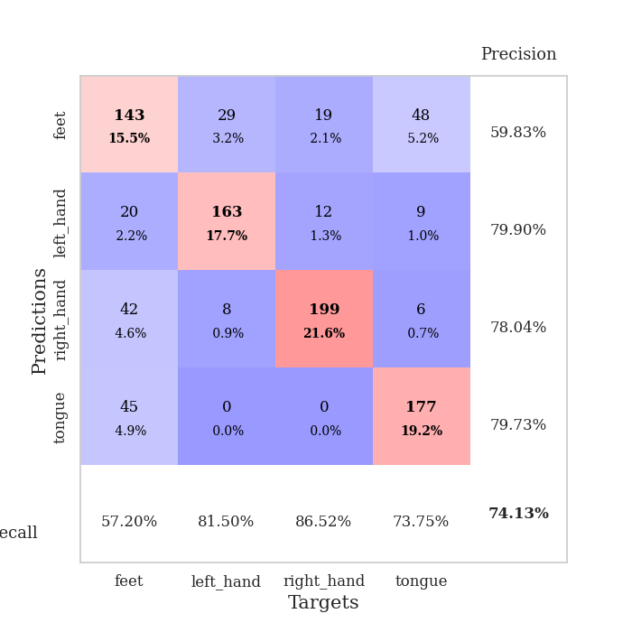
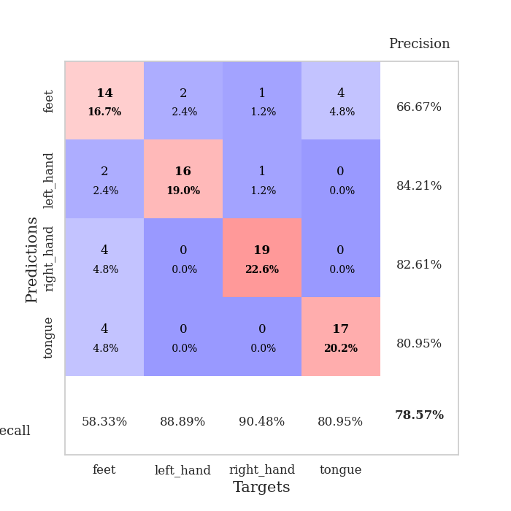
best_val_acc | best_val_los | best_test_acc
0.73913043478 | 0.80853348452 | 0.75862068966
0.73913043478 | 0.77352695361 | 0.69827586207
0.6847826087 | 0.78483333277 | 0.68103448276
0.77173913043 | 0.72782301903 | 0.6724137931
0.67391304348 | 0.79652146412 | 0.74137931034
0.82608695652 | 0.62897137196 | 0.74137931034
0.71739130435 | 0.89040601254 | 0.75
0.73913043478 | 0.78778691007 | 0.6724137931
0.70652173913 | 0.7457843682 | 0.69827586207
0.8152173913 | 0.80820052909 | 0.68103448276

Mean,std Val accuracy is 0.7413043478260869 , 0.05067285141173068 and mean, std test accuracy is 0.7094827586206897 , 0.03449472972281064

Sheet1
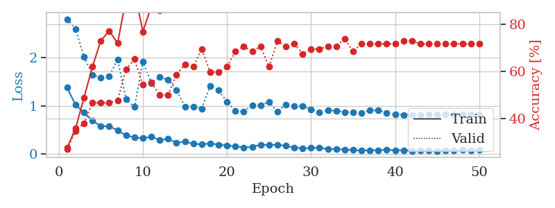
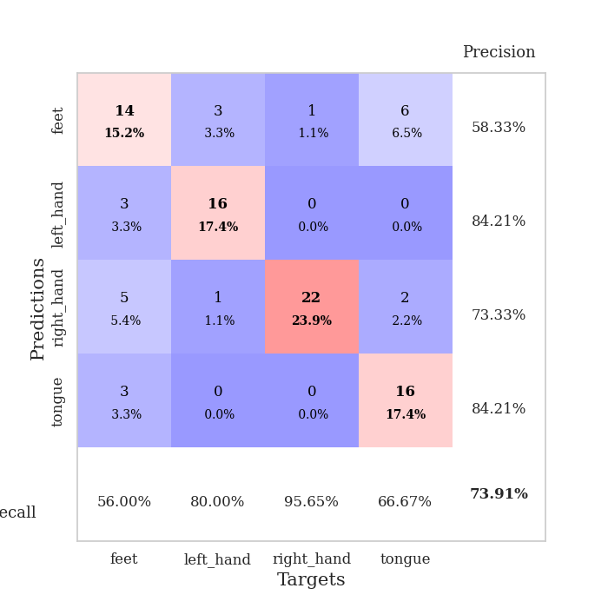
train_loss | valid_loss | train_accuracy | valid_accuracy | dur | train_misclass | valid_misclass
1.3770824412 | 2.8088829725 | 0.27717391304 | 0.27173913043 | 0.079254627228 | 27.717391304 | 27.173913043
1.015529021 | 2.6000392644 | 0.35869565217 | 0.34782608696 | 0.079128742218 | 35.869565217 | 34.782608696
0.85935743866 | 2.018777982 | 0.48913043478 | 0.38043478261 | 0.078591823578 | 48.913043478 | 38.043478261
0.69294270873 | 1.6487536741 | 0.61956521739 | 0.46739130435 | 0.080131292343 | 61.956521739 | 46.739130435
0.57185246893 | 1.5807364505 | 0.73097826087 | 0.46739130435 | 0.079493522644 | 73.097826087 | 46.739130435
0.57700982042 | 1.6222517387 | 0.77173913043 | 0.46739130435 | 0.079553365707 | 77.173913043 | 46.739130435
0.4826708449 | 1.9673344052 | 0.72010869565 | 0.47826086957 | 0.07946062088 | 72.010869565 | 47.826086957
0.38271195409 | 1.1425181057 | 0.90760869565 | 0.60869565217 | 0.079426288605 | 90.760869565 | 60.869565217
0.34069379451 | 0.97207601174 | 0.9402173913 | 0.65217391304 | 0.07958984375 | 94.02173913 | 65.217391304
0.32094355446 | 1.9187755688 | 0.76902173913 | 0.54347826087 | 0.079611301422 | 76.902173913 | 54.347826087
0.35606816605 | 1.4766048037 | 0.875 | 0.55434782609 | 0.079626083374 | 87.5 | 55.434782609
0.28488900027 | 1.597422973 | 0.85869565217 | 0.5 | 0.079395055771 | 85.869565217 | 50
0.30839338801 | 1.542816131 | 0.88586956522 | 0.5 | 0.079373836517 | 88.586956522 | 50
0.22831715676 | 1.3275273261 | 0.92934782609 | 0.58695652174 | 0.079214811325 | 92.934782609 | 58.695652174
0.24914638407 | 0.98188771891 | 0.97554347826 | 0.63043478261 | 0.079254865646 | 97.554347826 | 63.043478261
0.20657979017 | 0.97779365208 | 0.97010869565 | 0.61956521739 | 0.079395532608 | 97.010869565 | 61.956521739
0.1946185756 | 0.93972873169 | 0.97554347826 | 0.69565217391 | 0.079260349274 | 97.554347826 | 69.565217391
0.21360316824 | 1.4158089887 | 0.91847826087 | 0.59782608696 | 0.079957723618 | 91.847826087 | 59.782608696
0.18974529012 | 1.3198525387 | 0.94293478261 | 0.59782608696 | 0.079760551453 | 94.293478261 | 59.782608696
0.16931021327 | 1.0861655474 | 0.98913043478 | 0.61956521739 | 0.079714775085 | 98.913043478 | 61.956521739
0.15280957731 | 0.89262754503 | 1 | 0.6847826087 | 0.079652070999 | 100 | 68.47826087
0.12932569874 | 0.88220746103 | 0.99456521739 | 0.70652173913 | 0.079636096954 | 99.456521739 | 70.652173913
0.13996272757 | 1.0062880723 | 0.9972826087 | 0.6847826087 | 0.079863548279 | 99.72826087 | 68.47826087
0.18766455725 | 1.014291188 | 0.99456521739 | 0.70652173913 | 0.079797267914 | 99.456521739 | 70.652173913
0.17855415485 | 1.0812782256 | 0.97554347826 | 0.61956521739 | 0.079987764359 | 97.554347826 | 61.956521739
0.18696495324 | 0.87458841179 | 0.9972826087 | 0.72826086957 | 0.079747676849 | 99.72826087 | 72.826086957
0.162339484 | 1.0281648506 | 0.98641304348 | 0.70652173913 | 0.079855442047 | 98.641304348 | 70.652173913
0.1287009635 | 0.98596633517 | 0.9972826087 | 0.71739130435 | 0.07994055748 | 99.72826087 | 71.739130435
0.11063427227 | 0.99155619352 | 0.99456521739 | 0.67391304348 | 0.079752922058 | 99.456521739 | 67.391304348
0.11821006012 | 0.92495709917 | 1 | 0.69565217391 | 0.07988858223 | 100 | 69.565217391
0.12796188867 | 0.86574636853 | 0.9972826087 | 0.69565217391 | 0.079725980759 | 99.72826087 | 69.565217391
0.091653661033 | 0.90539415505 | 1 | 0.70652173913 | 0.079815387726 | 100 | 70.652173913
0.098809897981 | 0.8947165427 | 1 | 0.70652173913 | 0.079644441605 | 100 | 70.652173913
0.085787244222 | 0.86739975473 | 1 | 0.73913043478 | 0.079713106155 | 100 | 73.913043478
0.075915856408 | 0.86480279591 | 1 | 0.6847826087 | 0.080111980438 | 100 | 68.47826087
0.061355098353 | 0.84267906002 | 1 | 0.71739130435 | 0.079697370529 | 100 | 71.739130435
0.072413330533 | 0.90366696275 | 1 | 0.71739130435 | 0.079739570618 | 100 | 71.739130435
0.072499887674 | 0.90606021881 | 1 | 0.71739130435 | 0.079728841782 | 100 | 71.739130435
0.083191144604 | 0.84979818697 | 1 | 0.71739130435 | 0.079872369766 | 100 | 71.739130435
0.071551624807 | 0.82626211384 | 1 | 0.71739130435 | 0.079585075378 | 100 | 71.739130435
0.073300222502 | 0.80853348452 | 1 | 0.72826086957 | 0.079437255859 | 100 | 72.826086957
0.059341576193 | 0.81146736767 | 1 | 0.72826086957 | 0.079677581787 | 100 | 72.826086957
0.061724855403 | 0.81045447743 | 1 | 0.71739130435 | 0.080075740814 | 100 | 71.739130435
0.061090547389 | 0.81340933883 | 1 | 0.71739130435 | 0.079885482788 | 100 | 71.739130435
0.056497424436 | 0.812904757 | 1 | 0.71739130435 | 0.079952716827 | 100 | 71.739130435
0.07234240955 | 0.81555294991 | 1 | 0.71739130435 | 0.080234050751 | 100 | 71.739130435
0.064913988356 | 0.81606805843 | 1 | 0.71739130435 | 0.08038020134 | 100 | 71.739130435
0.075520895786 | 0.81591236591 | 1 | 0.71739130435 | 0.079787731171 | 100 | 71.739130435
0.070933801527 | 0.81575595296 | 1 | 0.71739130435 | 0.07998752594 | 100 | 71.739130435
0.086100231289 | 0.81516800756 | 1 | 0.71739130435 | 0.079634904861 | 100 | 71.739130435

Best Val accuracy is 0.7391304347826086 and Best test accuracy is 0.7586206896551724

Sheet2
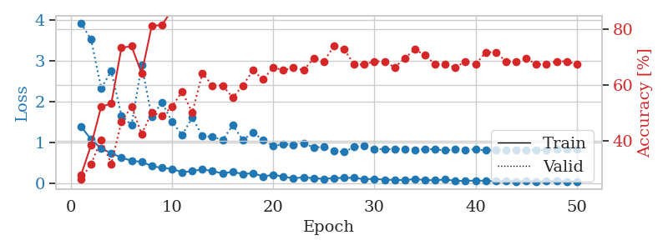
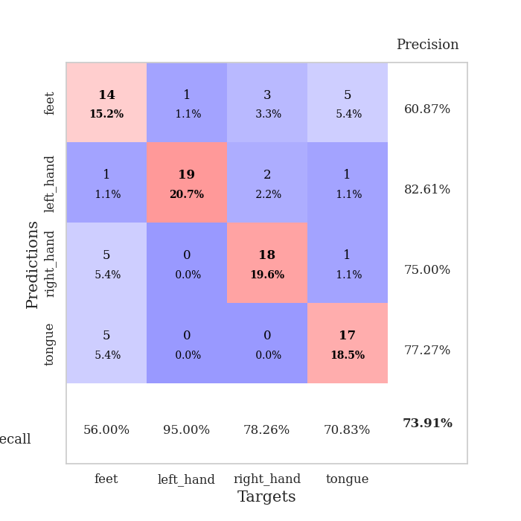
train_loss | valid_loss | train_accuracy | valid_accuracy | dur | train_misclass | valid_misclass
1.3956490185 | 3.925969269 | 0.27445652174 | 0.26086956522 | 0.079541444778 | 27.445652174 | 26.086956522
1.086742624 | 3.5319241855 | 0.38315217391 | 0.3152173913 | 0.080847263336 | 38.315217391 | 31.52173913
0.85761855996 | 2.3398635284 | 0.52173913043 | 0.40217391304 | 0.079603672028 | 52.173913043 | 40.217391304
0.74529938853 | 2.7539925679 | 0.53260869565 | 0.3152173913 | 0.079473257065 | 53.260869565 | 31.52173913
0.63487684208 | 1.6683123215 | 0.73369565217 | 0.46739130435 | 0.07906961441 | 73.369565217 | 46.739130435
0.56063848216 | 1.4313533047 | 0.73913043478 | 0.52173913043 | 0.079867124557 | 73.913043478 | 52.173913043
0.53102000641 | 2.8991616187 | 0.64130434783 | 0.42391304348 | 0.079755783081 | 64.130434783 | 42.391304348
0.43014728505 | 1.6317394091 | 0.8125 | 0.5 | 0.079452991486 | 81.25 | 50
0.38368373461 | 1.9891021614 | 0.8152173913 | 0.48913043478 | 0.080041885376 | 81.52173913 | 48.913043478
0.36028016618 | 1.5143430907 | 0.86956521739 | 0.52173913043 | 0.079719305038 | 86.956521739 | 52.173913043
0.27865193331 | 1.1918925928 | 0.9402173913 | 0.57608695652 | 0.079976797104 | 94.02173913 | 57.608695652
0.30590739166 | 1.6143825158 | 0.88858695652 | 0.5 | 0.079755067825 | 88.858695652 | 50
0.35048030641 | 1.1685612979 | 0.93206521739 | 0.64130434783 | 0.079904556274 | 93.206521739 | 64.130434783
0.30623186088 | 1.1430389959 | 0.96739130435 | 0.59782608696 | 0.079991340637 | 96.739130435 | 59.782608696
0.24680119429 | 1.0700685123 | 0.98369565217 | 0.59782608696 | 0.079923152924 | 98.369565217 | 59.782608696
0.29031457396 | 1.4249618468 | 0.9402173913 | 0.55434782609 | 0.079799413681 | 94.02173913 | 55.434782609
0.2323154671 | 1.0688059641 | 0.97826086957 | 0.59782608696 | 0.079510688782 | 97.826086957 | 59.782608696
0.25329636831 | 1.2487243777 | 0.92934782609 | 0.65217391304 | 0.079582691193 | 92.934782609 | 65.217391304
0.17450184197 | 1.069896019 | 0.97282608696 | 0.61956521739 | 0.080027341843 | 97.282608696 | 61.956521739
0.21512967057 | 0.91940094077 | 0.98641304348 | 0.66304347826 | 0.079619884491 | 98.641304348 | 66.304347826
0.17133555715 | 0.96786531417 | 0.99184782609 | 0.65217391304 | 0.080142259598 | 99.184782609 | 65.217391304
0.12694168625 | 0.94518861045 | 0.99456521739 | 0.66304347826 | 0.079462766647 | 99.456521739 | 66.304347826
0.15639985337 | 0.99348430012 | 0.9972826087 | 0.65217391304 | 0.079566478729 | 99.72826087 | 65.217391304
0.12832103621 | 0.88233111475 | 1 | 0.69565217391 | 0.079588890076 | 100 | 69.565217391
0.11680065581 | 0.90051924923 | 1 | 0.6847826087 | 0.080062389374 | 100 | 68.47826087
0.13323663604 | 0.79346840537 | 0.9972826087 | 0.73913043478 | 0.079874277115 | 99.72826087 | 73.913043478
0.13978790314 | 0.77352695361 | 0.9972826087 | 0.72826086957 | 0.080328702927 | 99.72826087 | 72.826086957
0.14114652396 | 0.89615003182 | 1 | 0.67391304348 | 0.079486131668 | 100 | 67.391304348
0.10659323989 | 0.92787564578 | 1 | 0.67391304348 | 0.079714775085 | 100 | 67.391304348
0.1145385707 | 0.84892879103 | 1 | 0.6847826087 | 0.07967877388 | 100 | 68.47826087
0.095362033128 | 0.84072015596 | 1 | 0.6847826087 | 0.079646110535 | 100 | 68.47826087
0.091170667711 | 0.84493919041 | 1 | 0.66304347826 | 0.079682350159 | 100 | 66.304347826
0.086025772616 | 0.85107587213 | 1 | 0.69565217391 | 0.07959318161 | 100 | 69.565217391
0.11160963741 | 0.82238044169 | 1 | 0.72826086957 | 0.079696655273 | 100 | 72.826086957
0.085443372474 | 0.84492752863 | 1 | 0.70652173913 | 0.079741954803 | 100 | 70.652173913
0.082414150724 | 0.83641753767 | 1 | 0.67391304348 | 0.079622745514 | 100 | 67.391304348
0.099257584175 | 0.81217101605 | 1 | 0.67391304348 | 0.079512357712 | 100 | 67.391304348
0.067232300406 | 0.83810748225 | 1 | 0.66304347826 | 0.079658985138 | 100 | 66.304347826
0.064383669594 | 0.8296514594 | 1 | 0.6847826087 | 0.0796251297 | 100 | 68.47826087
0.075871960138 | 0.83269514986 | 1 | 0.67391304348 | 0.079691171646 | 100 | 67.391304348
0.066308909744 | 0.81620968684 | 1 | 0.71739130435 | 0.079691648483 | 100 | 71.739130435
0.058194587068 | 0.81953031343 | 1 | 0.71739130435 | 0.079745292664 | 100 | 71.739130435
0.071426036626 | 0.82541527437 | 1 | 0.6847826087 | 0.079700231552 | 100 | 68.47826087
0.055211242207 | 0.81912550201 | 1 | 0.6847826087 | 0.079598665237 | 100 | 68.47826087
0.067774196034 | 0.81739873212 | 1 | 0.69565217391 | 0.079712867737 | 100 | 69.565217391
0.051292669372 | 0.82834671114 | 1 | 0.67391304348 | 0.079929351807 | 100 | 67.391304348
0.057942551682 | 0.83211492974 | 1 | 0.67391304348 | 0.079616785049 | 100 | 67.391304348
0.064214855594 | 0.83261085852 | 1 | 0.6847826087 | 0.079762935638 | 100 | 68.47826087
0.054227626275 | 0.83423985865 | 1 | 0.6847826087 | 0.079677581787 | 100 | 68.47826087
0.053688868151 | 0.8355737173 | 1 | 0.67391304348 | 0.079814195633 | 100 | 67.391304348

Best Val accuracy is 0.7391304347826086 and Best test accuracy is 0.6982758620689655

Sheet3
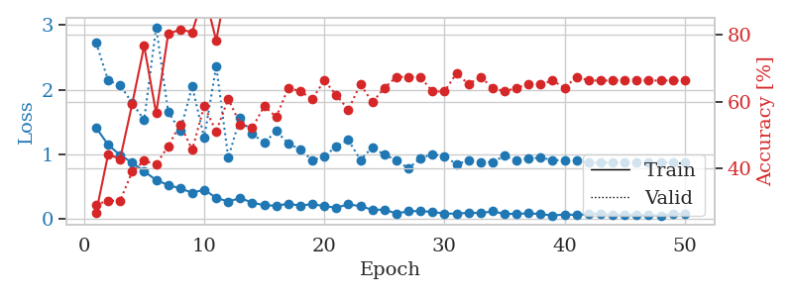
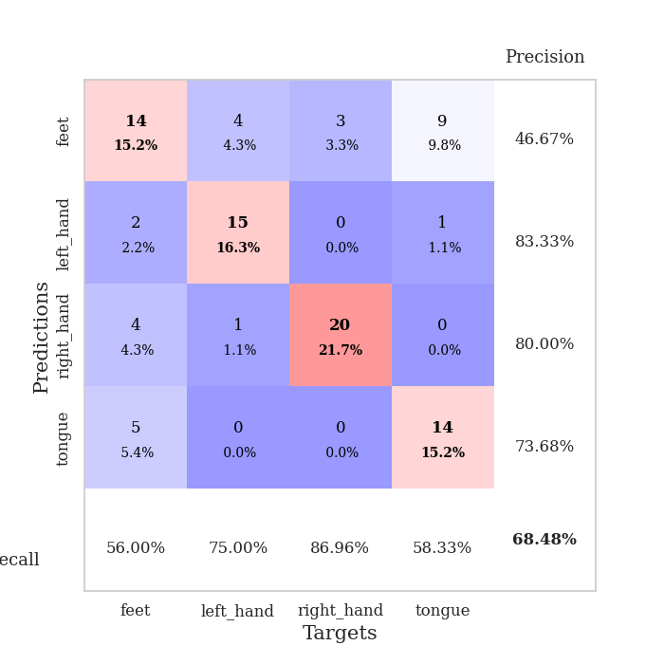
train_loss | valid_loss | train_accuracy | valid_accuracy | dur | train_misclass | valid_misclass
1.4132766154 | 2.7273801202 | 0.26902173913 | 0.29347826087 | 0.079562425613 | 26.902173913 | 29.347826087
1.1495968855 | 2.1434165188 | 0.44293478261 | 0.30434782609 | 0.079257965088 | 44.293478261 | 30.434782609
0.98946621107 | 2.0677348323 | 0.42934782609 | 0.30434782609 | 0.079133033752 | 42.934782609 | 30.434782609
0.87383756171 | 1.7969550153 | 0.59239130435 | 0.39130434783 | 0.07922744751 | 59.239130435 | 39.130434783
0.73906533614 | 1.5302773766 | 0.76630434783 | 0.42391304348 | 0.079205751419 | 76.630434783 | 42.391304348
0.60349075172 | 2.9654916473 | 0.5652173913 | 0.41304347826 | 0.079460859299 | 56.52173913 | 41.304347826
0.52702016157 | 1.6601214513 | 0.80163043478 | 0.46739130435 | 0.079650640488 | 80.163043478 | 46.739130435
0.47564212589 | 1.3629364501 | 0.8152173913 | 0.53260869565 | 0.080981016159 | 81.52173913 | 53.260869565
0.40776019252 | 2.0502585639 | 0.80706521739 | 0.45652173913 | 0.080130815506 | 80.706521739 | 45.652173913
0.45489307979 | 1.2564009635 | 0.92391304348 | 0.58695652174 | 0.080068588257 | 92.391304348 | 58.695652174
0.32840178194 | 2.3649959564 | 0.78260869565 | 0.51086956522 | 0.080143928528 | 78.260869565 | 51.086956522
0.27214171009 | 0.94953712432 | 0.97010869565 | 0.60869565217 | 0.079530954361 | 97.010869565 | 60.869565217
0.32559278543 | 1.5727522995 | 0.91032608696 | 0.53260869565 | 0.080066919327 | 91.032608696 | 53.260869565
0.2548563908 | 1.3171635814 | 0.95652173913 | 0.52173913043 | 0.079621076584 | 95.652173913 | 52.173913043
0.21460518484 | 1.1816192425 | 0.99456521739 | 0.58695652174 | 0.079726696014 | 99.456521739 | 58.695652174
0.2072600549 | 1.3604823999 | 0.97826086957 | 0.55434782609 | 0.079630613327 | 97.826086957 | 55.434782609
0.23849903906 | 1.1678426162 | 0.97826086957 | 0.64130434783 | 0.079662561417 | 97.826086957 | 64.130434783
0.20754966707 | 1.0764665811 | 0.97010869565 | 0.63043478261 | 0.080124378204 | 97.010869565 | 63.043478261
0.23382380297 | 0.90968250969 | 0.98913043478 | 0.60869565217 | 0.079705238342 | 98.913043478 | 60.869565217
0.19957601247 | 0.96764738663 | 0.99184782609 | 0.66304347826 | 0.080061435699 | 99.184782609 | 66.304347826
0.17846734798 | 1.1291633663 | 0.98913043478 | 0.61956521739 | 0.079883575439 | 98.913043478 | 61.956521739
0.22900635976 | 1.2217667673 | 0.97554347826 | 0.57608695652 | 0.079614400864 | 97.554347826 | 57.608695652
0.19986348437 | 0.91336504014 | 0.98913043478 | 0.65217391304 | 0.079813957214 | 98.913043478 | 65.217391304
0.14511466771 | 1.11138958 | 1 | 0.59782608696 | 0.080232143402 | 100 | 59.782608696
0.14534195342 | 0.99488117125 | 1 | 0.64130434783 | 0.078332901001 | 100 | 64.130434783
0.088043762614 | 0.91180333106 | 1 | 0.67391304348 | 0.078530788422 | 100 | 67.391304348
0.12241252787 | 0.78483333277 | 0.9972826087 | 0.67391304348 | 0.078624725342 | 99.72826087 | 67.391304348
0.12595616407 | 0.94027051459 | 1 | 0.67391304348 | 0.07913351059 | 100 | 67.391304348
0.11146811266 | 1.0053952803 | 1 | 0.63043478261 | 0.078903198242 | 100 | 63.043478261
0.086047135293 | 0.96885213645 | 1 | 0.63043478261 | 0.078903436661 | 100 | 63.043478261
0.084114112122 | 0.85140551432 | 1 | 0.6847826087 | 0.078922748566 | 100 | 68.47826087
0.09966184296 | 0.90228115735 | 1 | 0.65217391304 | 0.079393625259 | 100 | 65.217391304
0.092925155616 | 0.87739486928 | 0.99456521739 | 0.67391304348 | 0.080473423004 | 99.456521739 | 67.391304348
0.12022288557 | 0.88090005906 | 1 | 0.64130434783 | 0.079388380051 | 100 | 64.130434783
0.081947392096 | 0.97777343055 | 1 | 0.63043478261 | 0.07930970192 | 100 | 63.043478261
0.08136387056 | 0.90738516009 | 1 | 0.64130434783 | 0.079342603683 | 100 | 64.130434783
0.089462783876 | 0.9360476214 | 1 | 0.65217391304 | 0.079628705978 | 100 | 65.217391304
0.078491545505 | 0.94951570811 | 1 | 0.65217391304 | 0.079739332199 | 100 | 65.217391304
0.055247281921 | 0.91510792271 | 1 | 0.66304347826 | 0.079600811005 | 100 | 66.304347826
0.072917013348 | 0.90583594726 | 1 | 0.64130434783 | 0.079650878906 | 100 | 64.130434783
0.063898206729 | 0.90585475123 | 1 | 0.67391304348 | 0.079872846603 | 100 | 67.391304348
0.077394090816 | 0.87004153625 | 1 | 0.66304347826 | 0.079565763474 | 100 | 66.304347826
0.08419313298 | 0.87269499898 | 1 | 0.66304347826 | 0.0795109272 | 100 | 66.304347826
0.063062119298 | 0.87527319789 | 1 | 0.66304347826 | 0.079638242722 | 100 | 66.304347826
0.072217693107 | 0.87511099421 | 1 | 0.66304347826 | 0.079628229141 | 100 | 66.304347826
0.06421767078 | 0.8816990969 | 1 | 0.66304347826 | 0.079998970032 | 100 | 66.304347826
0.063131041784 | 0.87996375561 | 1 | 0.66304347826 | 0.079729318619 | 100 | 66.304347826
0.055209271569 | 0.87932005525 | 1 | 0.66304347826 | 0.079640388489 | 100 | 66.304347826
0.082494575166 | 0.87900878036 | 1 | 0.66304347826 | 0.079752445221 | 100 | 66.304347826
0.076108582804 | 0.87948238979 | 1 | 0.66304347826 | 0.080905914307 | 100 | 66.304347826

Best Val accuracy is 0.6847826086956522 and Best test accuracy is 0.6810344827586207

Sheet4
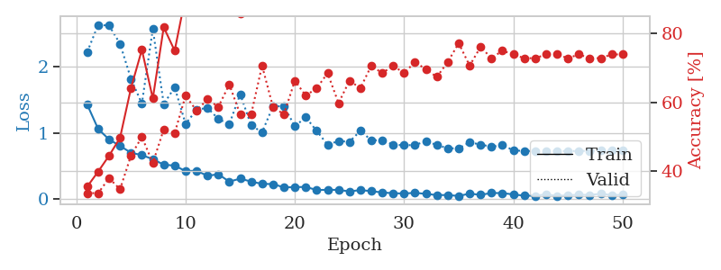
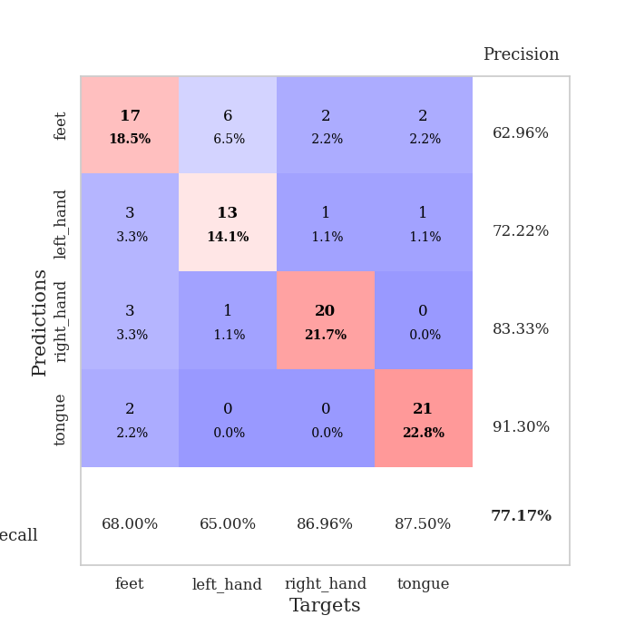
train_loss | valid_loss | train_accuracy | valid_accuracy | dur | train_misclass | valid_misclass
1.4304913956 | 2.2292578739 | 0.35597826087 | 0.33695652174 | 0.08027100563 | 35.597826087 | 33.695652174
1.0625484534 | 2.6395182506 | 0.39945652174 | 0.33695652174 | 0.079000711441 | 39.945652174 | 33.695652174
0.90531885624 | 2.6265534214 | 0.44565217391 | 0.38043478261 | 0.079197883606 | 44.565217391 | 38.043478261
0.80760581856 | 2.3531101787 | 0.4972826087 | 0.34782608696 | 0.079514741898 | 49.72826087 | 34.782608696
0.70397419644 | 1.8212062069 | 0.64130434783 | 0.44565217391 | 0.078965425491 | 64.130434783 | 44.565217391
0.66828450301 | 1.4472960596 | 0.7527173913 | 0.5 | 0.079816579819 | 75.27173913 | 50
0.60719117393 | 2.5756082742 | 0.61141304348 | 0.42391304348 | 0.080740451813 | 61.141304348 | 42.391304348
0.52358943483 | 1.4406952081 | 0.81793478261 | 0.52173913043 | 0.079827547073 | 81.793478261 | 52.173913043
0.50992358055 | 1.6935619997 | 0.75 | 0.51086956522 | 0.080032587051 | 75 | 51.086956522
0.42612838097 | 1.140243012 | 0.90760869565 | 0.61956521739 | 0.079812288284 | 90.760869565 | 61.956521739
0.43259957757 | 1.3525971589 | 0.88858695652 | 0.57608695652 | 0.079852342606 | 88.858695652 | 57.608695652
0.35519137331 | 1.3848913338 | 0.94293478261 | 0.60869565217 | 0.079735994339 | 94.293478261 | 60.869565217
0.37933468106 | 1.2143883187 | 0.95380434783 | 0.58695652174 | 0.07968044281 | 95.380434783 | 58.695652174
0.26703696277 | 1.135797625 | 0.98369565217 | 0.65217391304 | 0.079336166382 | 98.369565217 | 65.217391304
0.31304308999 | 1.5888546187 | 0.85869565217 | 0.5652173913 | 0.079783678055 | 85.869565217 | 56.52173913
0.26776448119 | 1.1190433036 | 0.96739130435 | 0.5652173913 | 0.079845190048 | 96.739130435 | 56.52173913
0.23362979341 | 1.014063804 | 0.96739130435 | 0.70652173913 | 0.079401493073 | 96.739130435 | 70.652173913
0.23054602111 | 1.4054432434 | 0.96195652174 | 0.58695652174 | 0.080158472061 | 96.195652174 | 58.695652174
0.18032328574 | 1.4091660147 | 0.95652173913 | 0.5652173913 | 0.079421281815 | 95.652173913 | 56.52173913
0.1839215911 | 1.1043256988 | 0.98641304348 | 0.66304347826 | 0.079913377762 | 98.641304348 | 66.304347826
0.18746315429 | 1.2408185679 | 0.98369565217 | 0.61956521739 | 0.079432487488 | 98.369565217 | 61.956521739
0.14048090383 | 1.0343222618 | 0.99456521739 | 0.64130434783 | 0.079452037811 | 99.456521739 | 64.130434783
0.1439693656 | 0.82528773857 | 0.9972826087 | 0.6847826087 | 0.079568624496 | 99.72826087 | 68.47826087
0.14251164485 | 0.8812705693 | 0.98641304348 | 0.59782608696 | 0.079876184464 | 98.641304348 | 59.782608696
0.11935814089 | 0.86955455075 | 1 | 0.66304347826 | 0.079391002655 | 100 | 66.304347826
0.13960279026 | 1.0359578029 | 0.99184782609 | 0.64130434783 | 0.079669237137 | 99.184782609 | 64.130434783
0.12339704508 | 0.89257958661 | 1 | 0.70652173913 | 0.079674959183 | 100 | 70.652173913
0.1029865915 | 0.89201131593 | 1 | 0.6847826087 | 0.079553604126 | 100 | 68.47826087
0.092297806971 | 0.82603450703 | 1 | 0.70652173913 | 0.079768657684 | 100 | 70.652173913
0.08747854019 | 0.81739414257 | 1 | 0.6847826087 | 0.079579114914 | 100 | 68.47826087
0.098081088949 | 0.82057502477 | 1 | 0.71739130435 | 0.079429149628 | 100 | 71.739130435
0.082147646776 | 0.87870550156 | 1 | 0.69565217391 | 0.080020189285 | 100 | 69.565217391
0.063903194488 | 0.82125407976 | 1 | 0.67391304348 | 0.079746723175 | 100 | 67.391304348
0.064668188276 | 0.77114609661 | 1 | 0.71739130435 | 0.079623222351 | 100 | 71.739130435
0.050489955723 | 0.77003214411 | 1 | 0.77173913043 | 0.079363107681 | 100 | 77.173913043
0.085904962181 | 0.86184553737 | 1 | 0.70652173913 | 0.080039262772 | 100 | 70.652173913
0.067828544618 | 0.82771702953 | 1 | 0.76086956522 | 0.079410076141 | 100 | 76.086956522
0.095002703855 | 0.79548496008 | 1 | 0.72826086957 | 0.079775810242 | 100 | 72.826086957
0.094316811625 | 0.81860446152 | 1 | 0.75 | 0.079633951187 | 100 | 75
0.073393240692 | 0.74291227175 | 1 | 0.73913043478 | 0.07962346077 | 100 | 73.913043478
0.055138890793 | 0.72782301903 | 1 | 0.72826086957 | 0.079399347305 | 100 | 72.826086957
0.052949304328 | 0.73246603427 | 1 | 0.72826086957 | 0.079503536224 | 100 | 72.826086957
0.075474944209 | 0.7299060083 | 1 | 0.73913043478 | 0.079474687576 | 100 | 73.913043478
0.050681802849 | 0.72897054449 | 1 | 0.73913043478 | 0.079718589783 | 100 | 73.913043478
0.061483792313 | 0.72949424386 | 1 | 0.72826086957 | 0.079505681992 | 100 | 72.826086957
0.068203543272 | 0.73008827412 | 1 | 0.73913043478 | 0.079373598099 | 100 | 73.913043478
0.065913660533 | 0.73385632038 | 1 | 0.72826086957 | 0.079835414886 | 100 | 72.826086957
0.083453351227 | 0.73523510021 | 1 | 0.72826086957 | 0.0794672966 | 100 | 72.826086957
0.063377549062 | 0.73561638205 | 1 | 0.73913043478 | 0.079588413239 | 100 | 73.913043478
0.067381722043 | 0.73574375588 | 1 | 0.73913043478 | 0.079478502274 | 100 | 73.913043478

Best Val accuracy is 0.7717391304347826 and Best test accuracy is 0.6724137931034483

Sheet5
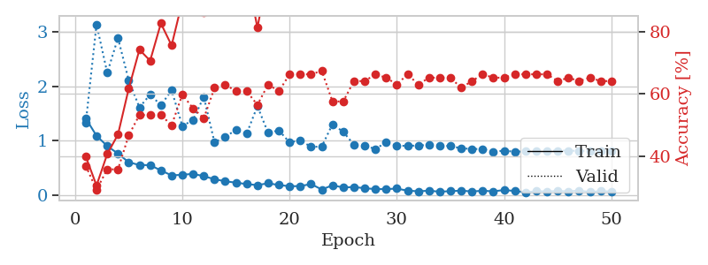
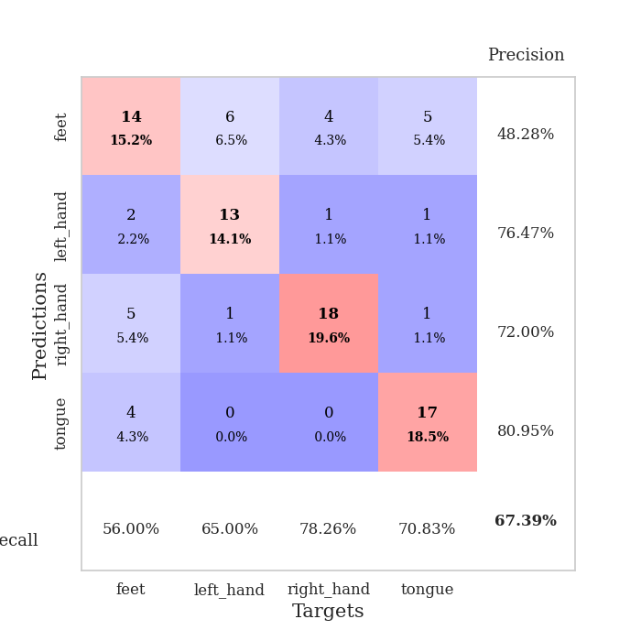
train_loss | valid_loss | train_accuracy | valid_accuracy | dur | train_misclass | valid_misclass
1.4084770368 | 1.3268615526 | 0.39945652174 | 0.36956521739 | 0.080138444901 | 39.945652174 | 36.956521739
1.0902189483 | 3.1415698943 | 0.30706521739 | 0.29347826087 | 0.079034805298 | 30.706521739 | 29.347826087
0.90096500775 | 2.2482830027 | 0.40760869565 | 0.35869565217 | 0.078785419464 | 40.760869565 | 35.869565217
0.76256881589 | 2.8901302296 | 0.47010869565 | 0.35869565217 | 0.078815937042 | 47.010869565 | 35.869565217
0.60280375118 | 2.1123565591 | 0.61684782609 | 0.46739130435 | 0.07874417305 | 61.684782609 | 46.739130435
0.55177182477 | 1.6112885112 | 0.74184782609 | 0.53260869565 | 0.079400062561 | 74.184782609 | 53.260869565
0.54991673516 | 1.8498728275 | 0.70652173913 | 0.53260869565 | 0.079459428787 | 70.652173913 | 53.260869565
0.45184693777 | 1.6510233153 | 0.82608695652 | 0.53260869565 | 0.079301357269 | 82.608695652 | 53.260869565
0.36116999971 | 1.9287207749 | 0.75543478261 | 0.5 | 0.079532384872 | 75.543478261 | 50
0.37261154859 | 1.2685757668 | 0.89673913043 | 0.59782608696 | 0.079125881195 | 89.673913043 | 59.782608696
0.38904638264 | 1.3813247162 | 0.88315217391 | 0.55434782609 | 0.079487800598 | 88.315217391 | 55.434782609
0.34661443175 | 1.8065447704 | 0.86141304348 | 0.52173913043 | 0.079065561295 | 86.141304348 | 52.173913043
0.2906876106 | 0.96731817722 | 0.94836956522 | 0.61956521739 | 0.079404592514 | 94.836956522 | 61.956521739
0.25223141358 | 1.0753161026 | 0.97554347826 | 0.63043478261 | 0.08166885376 | 97.554347826 | 63.043478261
0.2271526647 | 1.1925819957 | 0.95108695652 | 0.60869565217 | 0.078273296356 | 95.108695652 | 60.869565217
0.20123805122 | 1.1292688432 | 0.98641304348 | 0.60869565217 | 0.07869052887 | 98.641304348 | 60.869565217
0.18172818665 | 1.6355633269 | 0.8125 | 0.5652173913 | 0.078557729721 | 81.25 | 56.52173913
0.2164341545 | 1.1423252821 | 0.98913043478 | 0.63043478261 | 0.078513383865 | 98.913043478 | 63.043478261
0.18322893216 | 1.1898632438 | 0.98913043478 | 0.60869565217 | 0.078746795654 | 98.913043478 | 60.869565217
0.16203207952 | 0.96646137341 | 0.98641304348 | 0.66304347826 | 0.078713178635 | 98.641304348 | 66.304347826
0.16378067936 | 1.0087234482 | 0.97282608696 | 0.66304347826 | 0.079202651978 | 97.282608696 | 66.304347826
0.20197540101 | 0.88392897015 | 1 | 0.66304347826 | 0.078664302826 | 100 | 66.304347826
0.10072449449 | 0.89259390468 | 0.9972826087 | 0.67391304348 | 0.078783512115 | 99.72826087 | 67.391304348
0.17910488063 | 1.3030762932 | 0.96739130435 | 0.57608695652 | 0.079252004623 | 96.739130435 | 57.608695652
0.13836399352 | 1.1621516528 | 0.98369565217 | 0.57608695652 | 0.078919649124 | 98.369565217 | 57.608695652
0.14743063635 | 0.92628202231 | 0.9972826087 | 0.64130434783 | 0.078903198242 | 99.72826087 | 64.130434783
0.12474876302 | 0.90691996657 | 1 | 0.64130434783 | 0.078803062439 | 100 | 64.130434783
0.10895432204 | 0.84730902703 | 1 | 0.66304347826 | 0.078879356384 | 100 | 66.304347826
0.10840517274 | 0.96734710621 | 0.9972826087 | 0.65217391304 | 0.079750061035 | 99.72826087 | 65.217391304
0.11809753513 | 0.90829820218 | 1 | 0.63043478261 | 0.081771850586 | 100 | 63.043478261
0.079867064224 | 0.90340219114 | 1 | 0.66304347826 | 0.080001115799 | 100 | 66.304347826
0.069009063077 | 0.91217394756 | 1 | 0.63043478261 | 0.079840183258 | 100 | 63.043478261
0.078936472211 | 0.92092701922 | 1 | 0.65217391304 | 0.081461906433 | 100 | 65.217391304
0.061244470513 | 0.91321790218 | 1 | 0.65217391304 | 0.080406904221 | 100 | 65.217391304
0.070933024601 | 0.89946549353 | 1 | 0.65217391304 | 0.080121994019 | 100 | 65.217391304
0.079869698571 | 0.860502072 | 1 | 0.61956521739 | 0.080956459045 | 100 | 61.956521739
0.065600282472 | 0.84705636553 | 0.9972826087 | 0.64130434783 | 0.079740524292 | 99.72826087 | 64.130434783
0.078241111225 | 0.84738765851 | 1 | 0.66304347826 | 0.08011341095 | 100 | 66.304347826
0.067916750422 | 0.79754369414 | 1 | 0.65217391304 | 0.080141782761 | 100 | 65.217391304
0.091434316224 | 0.81642935587 | 1 | 0.65217391304 | 0.07998251915 | 100 | 65.217391304
0.074482769462 | 0.79652146412 | 1 | 0.66304347826 | 0.079679250717 | 100 | 66.304347826
0.049076430581 | 0.8027181444 | 1 | 0.66304347826 | 0.08022236824 | 100 | 66.304347826
0.069687654467 | 0.81114796711 | 1 | 0.66304347826 | 0.080769538879 | 100 | 66.304347826
0.066252740667 | 0.81428401626 | 1 | 0.66304347826 | 0.079637050629 | 100 | 66.304347826
0.071728014286 | 0.81508072045 | 1 | 0.64130434783 | 0.079692840576 | 100 | 64.130434783
0.068080509972 | 0.8157528276 | 1 | 0.65217391304 | 0.08028459549 | 100 | 65.217391304
0.080176688893 | 0.81284219804 | 1 | 0.64130434783 | 0.079985618591 | 100 | 64.130434783
0.055389102953 | 0.81271113261 | 1 | 0.65217391304 | 0.079864501953 | 100 | 65.217391304
0.071738578298 | 0.81318416544 | 1 | 0.64130434783 | 0.080106735229 | 100 | 64.130434783
0.06397465086 | 0.81358125676 | 1 | 0.64130434783 | 0.079802751541 | 100 | 64.130434783

Best Val accuracy is 0.6739130434782609 and Best test accuracy is 0.7413793103448276

Sheet6
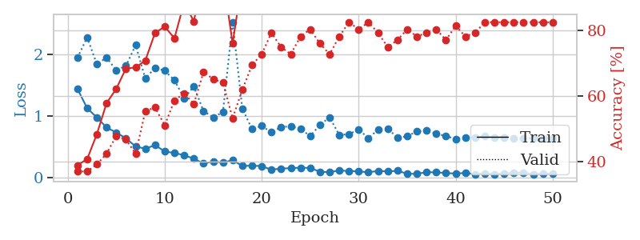
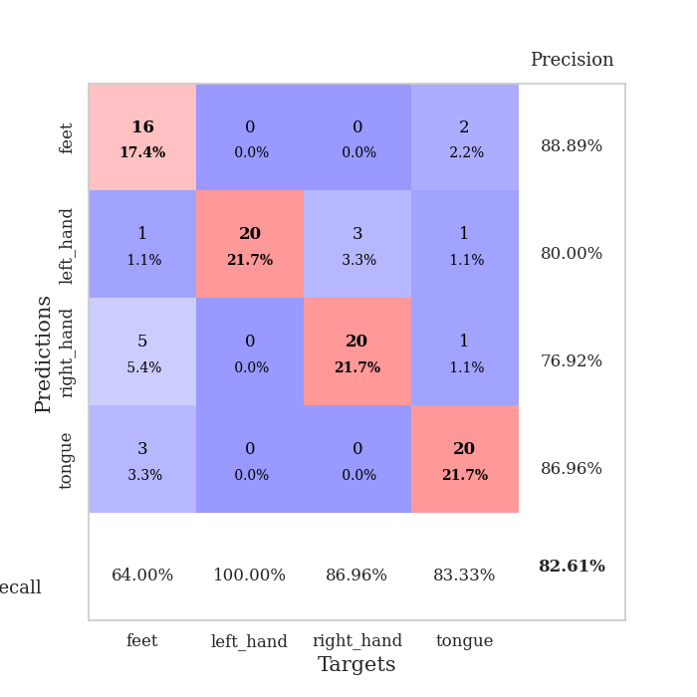
train_loss | valid_loss | train_accuracy | valid_accuracy | dur | train_misclass | valid_misclass
1.4404384986 | 1.9458448058 | 0.38858695652 | 0.36956521739 | 0.080227851868 | 38.858695652 | 36.956521739
1.1266710084 | 2.2774397705 | 0.40760869565 | 0.36956521739 | 0.078988313675 | 40.760869565 | 36.956521739
0.97740843503 | 1.843006217 | 0.48369565217 | 0.39130434783 | 0.078882932663 | 48.369565217 | 39.130434783
0.81316717034 | 1.9479820314 | 0.57880434783 | 0.42391304348 | 0.079348802567 | 57.880434783 | 42.391304348
0.73374482471 | 1.7445453665 | 0.6222826087 | 0.47826086957 | 0.079179525375 | 62.22826087 | 47.826086957
0.63662223453 | 1.8136878014 | 0.6847826087 | 0.46739130435 | 0.079633951187 | 68.47826087 | 46.739130435
0.50642784134 | 2.1525831534 | 0.6875 | 0.42391304348 | 0.079581975937 | 68.75 | 42.391304348
0.46855832183 | 1.6054469606 | 0.70923913043 | 0.55434782609 | 0.079883098602 | 70.923913043 | 55.434782609
0.52767471386 | 1.7852063594 | 0.79347826087 | 0.5652173913 | 0.079589128494 | 79.347826087 | 56.52173913
0.42406057307 | 1.7355333411 | 0.8125 | 0.51086956522 | 0.07948923111 | 81.25 | 51.086956522
0.39966119048 | 1.5811569276 | 0.77717391304 | 0.58695652174 | 0.079544305801 | 77.717391304 | 58.695652174
0.36390716939 | 1.2881660928 | 0.88586956522 | 0.60869565217 | 0.079792976379 | 88.586956522 | 60.869565217
0.30704496639 | 1.4809890364 | 0.82880434783 | 0.57608695652 | 0.079207420349 | 82.880434783 | 57.608695652
0.22779429931 | 1.0809816485 | 0.97554347826 | 0.67391304348 | 0.079116106033 | 97.554347826 | 67.391304348
0.26410896882 | 0.97997620831 | 0.98641304348 | 0.65217391304 | 0.079839944839 | 98.641304348 | 65.217391304
0.2422955237 | 1.0627511636 | 0.96739130435 | 0.64130434783 | 0.079451560974 | 96.739130435 | 64.130434783
0.28387592458 | 2.527189742 | 0.76086956522 | 0.53260869565 | 0.079422473907 | 76.086956522 | 53.260869565
0.18828173225 | 1.1212386152 | 0.95923913043 | 0.61956521739 | 0.079444885254 | 95.923913043 | 61.956521739
0.19373965636 | 0.78781799907 | 0.98369565217 | 0.69565217391 | 0.079486370087 | 98.369565217 | 69.565217391
0.18661283159 | 0.83965858947 | 0.97554347826 | 0.72826086957 | 0.079937696457 | 97.554347826 | 72.826086957
0.12782635366 | 0.73423274185 | 0.9972826087 | 0.79347826087 | 0.080069541931 | 99.72826087 | 79.347826087
0.14669475542 | 0.8204361304 | 0.98369565217 | 0.75 | 0.0796251297 | 98.369565217 | 75
0.15313854271 | 0.83212759702 | 0.99456521739 | 0.72826086957 | 0.079455137253 | 99.456521739 | 72.826086957
0.16163519511 | 0.79453127799 | 0.97826086957 | 0.78260869565 | 0.079636335373 | 97.826086957 | 78.260869565
0.15565916167 | 0.67232865613 | 1 | 0.80434782609 | 0.079388618469 | 100 | 80.434782609
0.095030038577 | 0.85607309963 | 0.98369565217 | 0.76086956522 | 0.079515457153 | 98.369565217 | 76.086956522
0.088130207651 | 0.97899545794 | 0.98097826087 | 0.72826086957 | 0.079500675201 | 98.097826087 | 72.826086957
0.1151302286 | 0.69081620289 | 1 | 0.78260869565 | 0.079764127731 | 100 | 78.260869565
0.1062347366 | 0.70606999553 | 1 | 0.82608695652 | 0.079494953156 | 100 | 82.608695652
0.099938257233 | 0.77994790803 | 0.9972826087 | 0.80434782609 | 0.079464912415 | 99.72826087 | 80.434782609
0.086270374286 | 0.6428845162 | 1 | 0.82608695652 | 0.079282522202 | 100 | 82.608695652
0.10765398861 | 0.77431666592 | 0.9972826087 | 0.79347826087 | 0.079299449921 | 99.72826087 | 79.347826087
0.099499153621 | 0.7981894716 | 0.98913043478 | 0.75 | 0.081602334976 | 98.913043478 | 75
0.11096379331 | 0.64623921721 | 0.9972826087 | 0.77173913043 | 0.079574346542 | 99.72826087 | 77.173913043
0.062042671296 | 0.66970952697 | 1 | 0.80434782609 | 0.079757452011 | 100 | 80.434782609
0.060773908889 | 0.75115468969 | 0.9972826087 | 0.78260869565 | 0.079666852951 | 99.72826087 | 78.260869565
0.086987560331 | 0.76005339622 | 0.9972826087 | 0.79347826087 | 0.079738378525 | 99.72826087 | 79.347826087
0.0852050514 | 0.71521329102 | 1 | 0.80434782609 | 0.079830169678 | 100 | 80.434782609
0.074076616651 | 0.67341558052 | 1 | 0.77173913043 | 0.079974412918 | 100 | 77.173913043
0.065209646122 | 0.62897137196 | 1 | 0.8152173913 | 0.079926967621 | 100 | 81.52173913
0.075411487492 | 0.6529342273 | 1 | 0.78260869565 | 0.083797931671 | 100 | 78.260869565
0.058066896122 | 0.65115698265 | 1 | 0.79347826087 | 0.080177783966 | 100 | 79.347826087
0.0686733732 | 0.67335006724 | 1 | 0.82608695652 | 0.079592466354 | 100 | 82.608695652
0.056451428763 | 0.65124759208 | 1 | 0.82608695652 | 0.079492807388 | 100 | 82.608695652
0.065807998889 | 0.6460032178 | 1 | 0.82608695652 | 0.079374313354 | 100 | 82.608695652
0.07428622096 | 0.64214840661 | 1 | 0.82608695652 | 0.07945561409 | 100 | 82.608695652
0.083580283448 | 0.6425038913 | 1 | 0.82608695652 | 0.079066753387 | 100 | 82.608695652
0.054965861142 | 0.64215130132 | 1 | 0.82608695652 | 0.079253435135 | 100 | 82.608695652
0.06516530551 | 0.64187445589 | 1 | 0.82608695652 | 0.079217672348 | 100 | 82.608695652
0.060346916439 | 0.64173615756 | 1 | 0.82608695652 | 0.07937836647 | 100 | 82.608695652

Best Val accuracy is 0.8260869565217391 and Best test accuracy is 0.7413793103448276

Sheet7
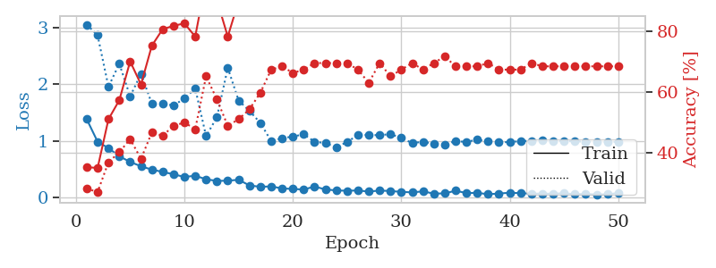
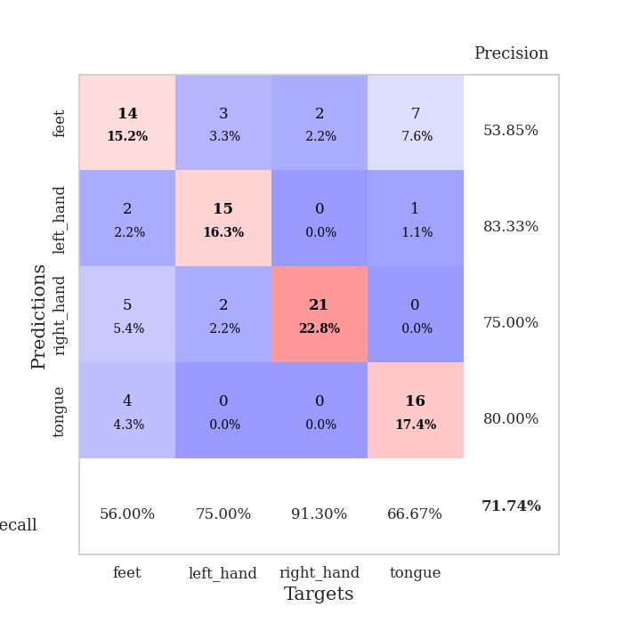
train_loss | valid_loss | train_accuracy | valid_accuracy | dur | train_misclass | valid_misclass
1.383875878 | 3.0548387507 | 0.35326086957 | 0.28260869565 | 0.079887390137 | 35.326086957 | 28.260869565
0.98624683981 | 2.8663586637 | 0.35054347826 | 0.27173913043 | 0.079354524612 | 35.054347826 | 27.173913043
0.87438697141 | 1.9568775944 | 0.51086956522 | 0.36956521739 | 0.079505681992 | 51.086956522 | 36.956521739
0.72980631564 | 2.3646508196 | 0.57336956522 | 0.40217391304 | 0.079686403275 | 57.336956522 | 40.217391304
0.63057323642 | 1.7865616342 | 0.70108695652 | 0.44565217391 | 0.079635381699 | 70.108695652 | 44.565217391
0.55318231298 | 2.1864123759 | 0.625 | 0.38043478261 | 0.079648256302 | 62.5 | 38.043478261
0.49471258599 | 1.6584847181 | 0.7527173913 | 0.46739130435 | 0.07935333252 | 75.27173913 | 46.739130435
0.45399987568 | 1.6573036443 | 0.80706521739 | 0.45652173913 | 0.080030679703 | 80.706521739 | 45.652173913
0.41239067556 | 1.62759586 | 0.81793478261 | 0.48913043478 | 0.079885005951 | 81.793478261 | 48.913043478
0.36491832137 | 1.7493354134 | 0.82608695652 | 0.5 | 0.080185890198 | 82.608695652 | 50
0.38663883151 | 1.9268818524 | 0.78260869565 | 0.47826086957 | 0.079600572586 | 78.260869565 | 47.826086957
0.3237403845 | 1.0854941451 | 0.97010869565 | 0.65217391304 | 0.079364538193 | 97.010869565 | 65.217391304
0.29514183817 | 1.4197568842 | 0.90217391304 | 0.57608695652 | 0.079794168472 | 90.217391304 | 57.608695652
0.29938419066 | 2.2902657156 | 0.78260869565 | 0.48913043478 | 0.080317258835 | 78.260869565 | 48.913043478
0.31493304605 | 1.7137755726 | 0.89945652174 | 0.51086956522 | 0.079873561859 | 89.945652174 | 51.086956522
0.21551911533 | 1.531896415 | 0.92934782609 | 0.54347826087 | 0.079917430878 | 92.934782609 | 54.347826087
0.19120463632 | 1.3185818144 | 0.95923913043 | 0.59782608696 | 0.079281568527 | 95.923913043 | 59.782608696
0.19840923664 | 0.99898323805 | 0.98641304348 | 0.67391304348 | 0.079503536224 | 98.641304348 | 67.391304348
0.16270595287 | 1.0494131213 | 0.99456521739 | 0.6847826087 | 0.079571247101 | 99.456521739 | 68.47826087
0.15340353759 | 1.0780552056 | 0.98913043478 | 0.66304347826 | 0.079833984375 | 98.913043478 | 66.304347826
0.14303350108 | 1.1177412375 | 0.99456521739 | 0.67391304348 | 0.079274177551 | 99.456521739 | 67.391304348
0.19605114109 | 0.98689092761 | 0.99456521739 | 0.69565217391 | 0.079082489014 | 99.456521739 | 69.565217391
0.14433916755 | 0.96175301075 | 0.98369565217 | 0.69565217391 | 0.079259634018 | 98.369565217 | 69.565217391
0.127403493 | 0.89040601254 | 1 | 0.69565217391 | 0.078926324844 | 100 | 69.565217391
0.12119049838 | 0.9802648762 | 0.98913043478 | 0.69565217391 | 0.079336881638 | 98.913043478 | 69.565217391
0.12683865153 | 1.107467019 | 0.99184782609 | 0.67391304348 | 0.079646587372 | 99.184782609 | 67.391304348
0.10667350257 | 1.106793585 | 1 | 0.63043478261 | 0.080522060394 | 100 | 63.043478261
0.12574067679 | 1.1018819602 | 1 | 0.69565217391 | 0.079562902451 | 100 | 69.565217391
0.11634286436 | 1.1215293252 | 1 | 0.65217391304 | 0.079273939133 | 100 | 65.217391304
0.10188935316 | 1.0536531314 | 1 | 0.67391304348 | 0.079395771027 | 100 | 67.391304348
0.092799261455 | 0.96369542765 | 1 | 0.69565217391 | 0.07933139801 | 100 | 69.565217391
0.1102962242 | 0.98476192744 | 1 | 0.67391304348 | 0.079596042633 | 100 | 67.391304348
0.070784966137 | 0.95376660513 | 1 | 0.69565217391 | 0.079441070557 | 100 | 69.565217391
0.074976026566 | 0.94153427041 | 1 | 0.71739130435 | 0.079561710358 | 100 | 71.739130435
0.12188405491 | 0.99703709457 | 1 | 0.6847826087 | 0.079775810242 | 100 | 68.47826087
0.080513630062 | 0.98345745128 | 1 | 0.6847826087 | 0.079177379608 | 100 | 68.47826087
0.085368798479 | 1.024089098 | 1 | 0.6847826087 | 0.079691648483 | 100 | 68.47826087
0.059526929227 | 0.99012423598 | 1 | 0.69565217391 | 0.079722642899 | 100 | 69.565217391
0.072784769065 | 0.97729282794 | 1 | 0.67391304348 | 0.079656600952 | 100 | 67.391304348
0.086189758923 | 0.98133944428 | 1 | 0.67391304348 | 0.079789638519 | 100 | 67.391304348
0.078843831206 | 0.99775678697 | 1 | 0.67391304348 | 0.079607725143 | 100 | 67.391304348
0.070475728656 | 1.0037038689 | 1 | 0.69565217391 | 0.083318471909 | 100 | 69.565217391
0.07042776607 | 1.0054130243 | 1 | 0.6847826087 | 0.080454349518 | 100 | 68.47826087
0.068417453976 | 0.99576817906 | 1 | 0.6847826087 | 0.079763174057 | 100 | 68.47826087
0.076682739729 | 0.9980585005 | 1 | 0.6847826087 | 0.080028295517 | 100 | 68.47826087
0.059551945057 | 0.99412595707 | 1 | 0.6847826087 | 0.080180644989 | 100 | 68.47826087
0.064603868973 | 0.98762371747 | 1 | 0.6847826087 | 0.079872369766 | 100 | 68.47826087
0.055019650163 | 0.98603509302 | 1 | 0.6847826087 | 0.079833507538 | 100 | 68.47826087
0.058875843154 | 0.98504709679 | 1 | 0.6847826087 | 0.079414606094 | 100 | 68.47826087
0.080838934377 | 0.98429972193 | 1 | 0.6847826087 | 0.079968452454 | 100 | 68.47826087

Best Val accuracy is 0.717391304347826 and Best test accuracy is 0.75

Sheet8
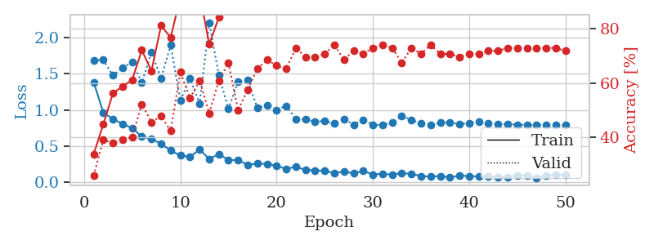
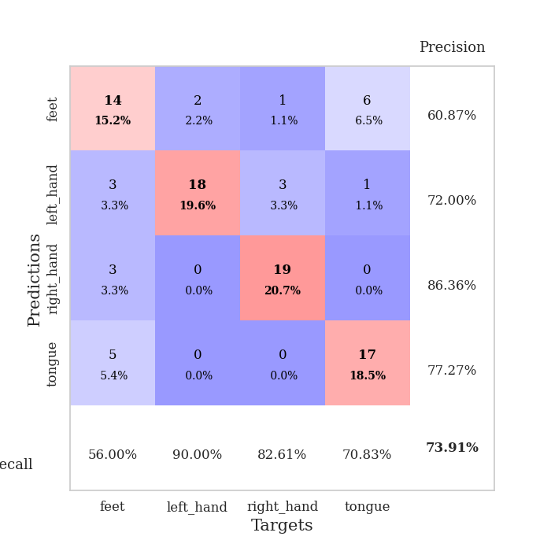
train_loss | valid_loss | train_accuracy | valid_accuracy | dur | train_misclass | valid_misclass
1.3849868256 | 1.6893777899 | 0.33967391304 | 0.26086956522 | 0.080826282501 | 33.967391304 | 26.086956522
0.96368209175 | 1.6933476199 | 0.44836956522 | 0.39130434783 | 0.079860687256 | 44.836956522 | 39.130434783
0.87238775906 | 1.4780559281 | 0.5625 | 0.38043478261 | 0.07945728302 | 56.25 | 38.043478261
0.80677318573 | 1.5854223707 | 0.58695652174 | 0.39130434783 | 0.079518318176 | 58.695652174 | 39.130434783
0.74712780118 | 1.667201773 | 0.61141304348 | 0.40217391304 | 0.079642772675 | 61.141304348 | 40.217391304
0.62972926446 | 1.3791868739 | 0.72010869565 | 0.52173913043 | 0.079517841339 | 72.010869565 | 52.173913043
0.59871839311 | 1.7990836372 | 0.64402173913 | 0.45652173913 | 0.079559803009 | 64.402173913 | 45.652173913
0.53034303694 | 1.4393157285 | 0.8097826087 | 0.47826086957 | 0.079430341721 | 80.97826087 | 47.826086957
0.43730148025 | 1.8994551897 | 0.76630434783 | 0.42391304348 | 0.079576253891 | 76.630434783 | 42.391304348
0.36711972563 | 1.1267287083 | 0.91576086957 | 0.64130434783 | 0.079187631607 | 91.576086957 | 64.130434783
0.34827309717 | 1.4385529601 | 0.88315217391 | 0.54347826087 | 0.079641819 | 88.315217391 | 54.347826087
0.45058192378 | 1.0852317525 | 0.92934782609 | 0.60869565217 | 0.079543828964 | 92.934782609 | 60.869565217
0.3189549174 | 2.2140187232 | 0.74184782609 | 0.48913043478 | 0.079907655716 | 74.184782609 | 48.913043478
0.38812119983 | 1.4823404602 | 0.83967391304 | 0.60869565217 | 0.079644203186 | 83.967391304 | 60.869565217
0.30211703382 | 1.014234732 | 0.95108695652 | 0.67391304348 | 0.079420089722 | 95.108695652 | 67.391304348
0.30636545433 | 1.3958543435 | 0.91847826087 | 0.5 | 0.079441785812 | 91.847826087 | 50
0.23528106478 | 1.4102990679 | 0.92119565217 | 0.57608695652 | 0.079556703568 | 92.119565217 | 57.608695652
0.25485585241 | 1.0262910672 | 0.98641304348 | 0.65217391304 | 0.07951593399 | 98.641304348 | 65.217391304
0.25107555739 | 1.0643393786 | 0.99456521739 | 0.6847826087 | 0.079651117325 | 99.456521739 | 68.47826087
0.22481863217 | 1.0001154335 | 0.98097826087 | 0.66304347826 | 0.079743385315 | 98.097826087 | 66.304347826
0.18074735157 | 1.0560266142 | 0.97282608696 | 0.65217391304 | 0.079481363297 | 97.282608696 | 65.217391304
0.21163013108 | 0.87306681923 | 0.98913043478 | 0.72826086957 | 0.079570770264 | 98.913043478 | 72.826086957
0.16661484912 | 0.86587022051 | 0.99456521739 | 0.69565217391 | 0.079914808273 | 99.456521739 | 69.565217391
0.1615902328 | 0.83926982206 | 0.9972826087 | 0.69565217391 | 0.079576253891 | 99.72826087 | 69.565217391
0.15099499804 | 0.84508275856 | 1 | 0.70652173913 | 0.079904556274 | 100 | 70.652173913
0.12585984843 | 0.81057739258 | 0.9972826087 | 0.73913043478 | 0.079726457596 | 99.72826087 | 73.913043478
0.14201024418 | 0.87492472452 | 1 | 0.6847826087 | 0.080006122589 | 100 | 68.47826087
0.12159456037 | 0.79468650662 | 1 | 0.71739130435 | 0.081311941147 | 100 | 71.739130435
0.15198853073 | 0.86446305721 | 0.9972826087 | 0.70652173913 | 0.080078601837 | 99.72826087 | 70.652173913
0.10525614679 | 0.79494830318 | 1 | 0.72826086957 | 0.079926729202 | 100 | 72.826086957
0.11232771967 | 0.78918430987 | 1 | 0.73913043478 | 0.080090045929 | 100 | 73.913043478
0.10139952341 | 0.82420371019 | 0.9972826087 | 0.72826086957 | 0.079408168793 | 99.72826087 | 72.826086957
0.12184694839 | 0.91199286606 | 0.99184782609 | 0.67391304348 | 0.083139896393 | 99.184782609 | 67.391304348
0.11257397545 | 0.86371622656 | 0.9972826087 | 0.72826086957 | 0.079607486725 | 99.72826087 | 72.826086957
0.082382707735 | 0.80975798809 | 0.9972826087 | 0.70652173913 | 0.079601764679 | 99.72826087 | 70.652173913
0.07426849777 | 0.78778691007 | 1 | 0.73913043478 | 0.079210996628 | 100 | 73.913043478
0.080993506733 | 0.82146658068 | 1 | 0.70652173913 | 0.080415487289 | 100 | 70.652173913
0.065272746041 | 0.82655386951 | 0.9972826087 | 0.70652173913 | 0.077949285507 | 99.72826087 | 70.652173913
0.086902519729 | 0.80352846954 | 1 | 0.69565217391 | 0.078050136566 | 100 | 69.565217391
0.082224283367 | 0.81741814121 | 1 | 0.70652173913 | 0.078240871429 | 100 | 70.652173913
0.076150203812 | 0.84012974993 | 1 | 0.70652173913 | 0.07889175415 | 100 | 70.652173913
0.078804550611 | 0.81353061614 | 1 | 0.71739130435 | 0.078661441803 | 100 | 71.739130435
0.070823560145 | 0.80733782183 | 1 | 0.71739130435 | 0.078985691071 | 100 | 71.739130435
0.068372242882 | 0.8029429485 | 1 | 0.72826086957 | 0.078763246536 | 100 | 72.826086957
0.092622119205 | 0.79649330611 | 1 | 0.72826086957 | 0.078791379929 | 100 | 72.826086957
0.09066647607 | 0.79127703413 | 1 | 0.72826086957 | 0.078635931015 | 100 | 72.826086957
0.057339810483 | 0.79157592551 | 1 | 0.72826086957 | 0.078872680664 | 100 | 72.826086957
0.091871814316 | 0.79191498523 | 1 | 0.72826086957 | 0.078780412674 | 100 | 72.826086957
0.094789527033 | 0.79138928134 | 1 | 0.72826086957 | 0.078775167465 | 100 | 72.826086957
0.10305366811 | 0.79072637921 | 1 | 0.71739130435 | 0.079023838043 | 100 | 71.739130435

Best Val accuracy is 0.7391304347826086 and Best test accuracy is 0.6724137931034483

Sheet9
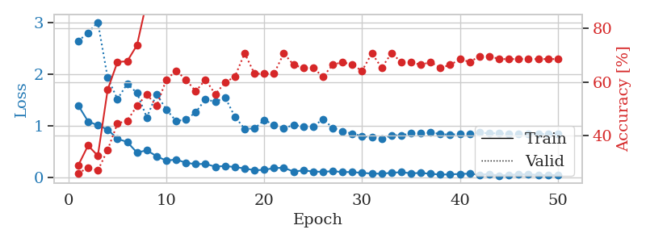
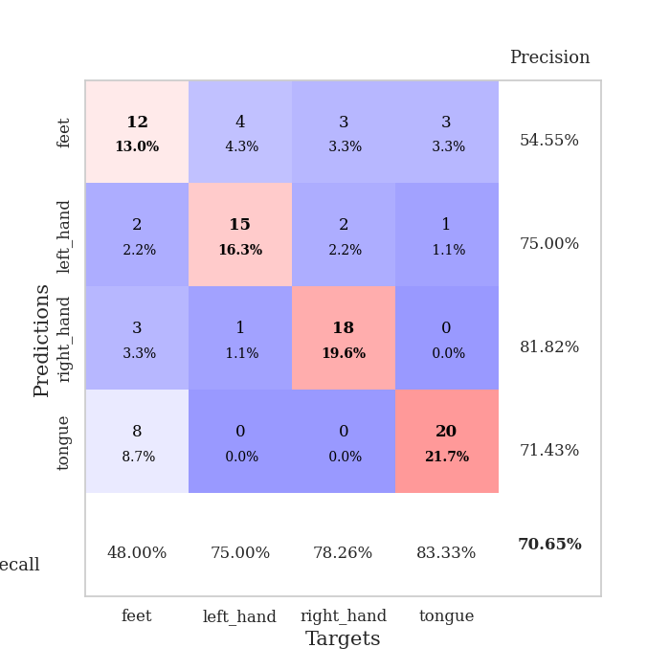
train_loss | valid_loss | train_accuracy | valid_accuracy | dur | train_misclass | valid_misclass
1.3962412243 | 2.6408130086 | 0.29076086957 | 0.26086956522 | 0.079805612564 | 29.076086957 | 26.086956522
1.0882492117 | 2.8017774147 | 0.36413043478 | 0.28260869565 | 0.078976869583 | 36.413043478 | 28.260869565
1.0123359924 | 3.0056213192 | 0.32608695652 | 0.27173913043 | 0.079775571823 | 32.608695652 | 27.173913043
0.93118057692 | 1.9332091808 | 0.57065217391 | 0.34782608696 | 0.081529855728 | 57.065217391 | 34.782608696
0.75181275865 | 1.5185707186 | 0.67391304348 | 0.44565217391 | 0.080019712448 | 67.391304348 | 44.565217391
0.69110590738 | 1.8145759935 | 0.67663043478 | 0.45652173913 | 0.081138372421 | 67.663043478 | 45.652173913
0.48560454016 | 1.6370429474 | 0.73641304348 | 0.51086956522 | 0.079252004623 | 73.641304348 | 51.086956522
0.53046134568 | 1.1639639502 | 0.89945652174 | 0.55434782609 | 0.079269886017 | 89.945652174 | 55.434782609
0.41581252347 | 1.6152638404 | 0.88315217391 | 0.51086956522 | 0.079365491867 | 88.315217391 | 51.086956522
0.32889155007 | 1.3177152043 | 0.89402173913 | 0.60869565217 | 0.080147743225 | 89.402173913 | 60.869565217
0.35295483211 | 1.0952509331 | 0.94565217391 | 0.64130434783 | 0.080326557159 | 94.565217391 | 64.130434783
0.28906952104 | 1.1235129574 | 0.97282608696 | 0.60869565217 | 0.079453706741 | 97.282608696 | 60.869565217
0.26221649543 | 1.2634142741 | 0.95380434783 | 0.5652173913 | 0.079315185547 | 95.380434783 | 56.52173913
0.26782513701 | 1.5204153631 | 0.9402173913 | 0.60869565217 | 0.079459905624 | 94.02173913 | 60.869565217
0.21280001849 | 1.4648133983 | 0.96195652174 | 0.55434782609 | 0.078884840012 | 96.195652174 | 55.434782609
0.22821867401 | 1.5546340735 | 0.91847826087 | 0.59782608696 | 0.079138994217 | 91.847826087 | 59.782608696
0.20483019883 | 1.1773736425 | 0.96195652174 | 0.61956521739 | 0.079039812088 | 96.195652174 | 61.956521739
0.18033873857 | 0.94784405957 | 0.98641304348 | 0.70652173913 | 0.079280138016 | 98.641304348 | 70.652173913
0.14387223659 | 0.94926468704 | 0.99184782609 | 0.63043478261 | 0.079536914825 | 99.184782609 | 63.043478261
0.15340794574 | 1.1167598082 | 0.97826086957 | 0.63043478261 | 0.079303741455 | 97.826086957 | 63.043478261
0.18589155603 | 1.0202616246 | 0.99456521739 | 0.63043478261 | 0.079327583313 | 99.456521739 | 63.043478261
0.19287648117 | 0.95459371028 | 0.9972826087 | 0.70652173913 | 0.079169750214 | 99.72826087 | 70.652173913
0.11847478127 | 1.0190330796 | 0.99184782609 | 0.66304347826 | 0.079034566879 | 99.184782609 | 66.304347826
0.14190310548 | 0.99018170782 | 1 | 0.65217391304 | 0.078964948654 | 100 | 65.217391304
0.11967911328 | 0.98609694191 | 1 | 0.65217391304 | 0.079239606857 | 100 | 65.217391304
0.11356067779 | 1.1332418193 | 0.98369565217 | 0.61956521739 | 0.078729152679 | 98.369565217 | 61.956521739
0.12683235651 | 0.96248039733 | 1 | 0.66304347826 | 0.078665971756 | 100 | 66.304347826
0.10884867582 | 0.90103438626 | 0.9972826087 | 0.67391304348 | 0.0787088871 | 99.72826087 | 67.391304348
0.11076663965 | 0.85021266471 | 0.9972826087 | 0.66304347826 | 0.078698158264 | 99.72826087 | 66.304347826
0.092408106217 | 0.80620588686 | 0.9972826087 | 0.64130434783 | 0.078481674194 | 99.72826087 | 64.130434783
0.081799940793 | 0.77677181752 | 1 | 0.70652173913 | 0.078509807587 | 100 | 70.652173913
0.076417828829 | 0.7457843682 | 0.9972826087 | 0.65217391304 | 0.078731775284 | 99.72826087 | 65.217391304
0.096560506191 | 0.82173027163 | 0.9972826087 | 0.70652173913 | 0.078610897064 | 99.72826087 | 70.652173913
0.1062737483 | 0.81820996948 | 1 | 0.67391304348 | 0.07870388031 | 100 | 67.391304348
0.085932830106 | 0.85614921477 | 1 | 0.67391304348 | 0.078647613525 | 100 | 67.391304348
0.091789695556 | 0.86048949283 | 1 | 0.66304347826 | 0.079663991928 | 100 | 66.304347826
0.076729294561 | 0.87043772573 | 1 | 0.67391304348 | 0.079496383667 | 100 | 67.391304348
0.060784441864 | 0.84797822911 | 1 | 0.65217391304 | 0.078802108765 | 100 | 65.217391304
0.065140001233 | 0.82623354248 | 1 | 0.66304347826 | 0.07850933075 | 100 | 66.304347826
0.072908609336 | 0.85303214581 | 1 | 0.6847826087 | 0.078571557999 | 100 | 68.47826087
0.07834456529 | 0.85355855071 | 1 | 0.67391304348 | 0.078718423843 | 100 | 67.391304348
0.058998786439 | 0.87219584766 | 1 | 0.69565217391 | 0.078726053238 | 100 | 69.565217391
0.071062620304 | 0.85780259837 | 1 | 0.69565217391 | 0.078733205795 | 100 | 69.565217391
0.040080808468 | 0.85974067968 | 1 | 0.6847826087 | 0.078749656677 | 100 | 68.47826087
0.055219397759 | 0.84876186174 | 1 | 0.6847826087 | 0.078766345978 | 100 | 68.47826087
0.064850057172 | 0.84631623133 | 1 | 0.6847826087 | 0.078640937805 | 100 | 68.47826087
0.0651578772 | 0.84392421142 | 1 | 0.6847826087 | 0.078577756882 | 100 | 68.47826087
0.055042654904 | 0.84443723378 | 1 | 0.6847826087 | 0.078617334366 | 100 | 68.47826087
0.049398141873 | 0.84383303964 | 1 | 0.6847826087 | 0.078552961349 | 100 | 68.47826087
0.053298259417 | 0.84336626011 | 1 | 0.6847826087 | 0.080841302872 | 100 | 68.47826087

Best Val accuracy is 0.7065217391304348 and Best test accuracy is 0.6982758620689655

Sheet10
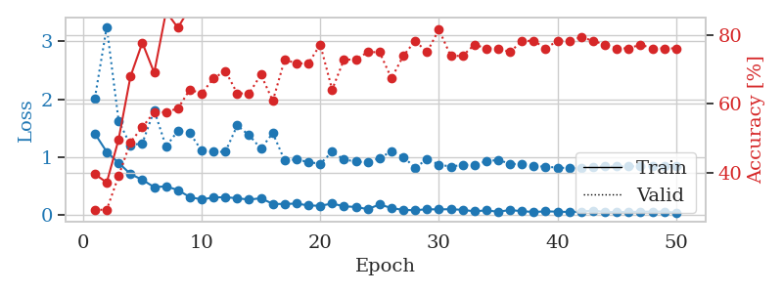
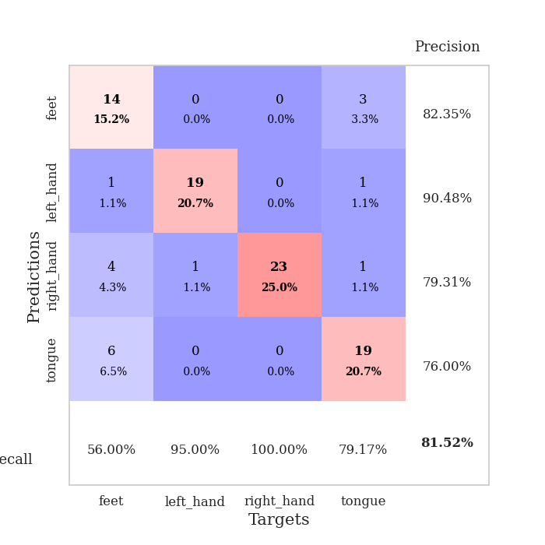
train_loss | valid_loss | train_accuracy | valid_accuracy | dur | train_misclass | valid_misclass
1.4061721149 | 2.0184796686 | 0.39673913043 | 0.29347826087 | 0.080184698105 | 39.673913043 | 29.347826087
1.0897386592 | 3.2499503986 | 0.3722826087 | 0.29347826087 | 0.079400062561 | 37.22826087 | 29.347826087
0.90089360527 | 1.6278198595 | 0.4972826087 | 0.39130434783 | 0.078787326813 | 49.72826087 | 39.130434783
0.70836323241 | 1.2058956779 | 0.67934782609 | 0.48913043478 | 0.079540491104 | 67.934782609 | 48.913043478
0.60861225102 | 1.2389119397 | 0.77717391304 | 0.53260869565 | 0.079395055771 | 77.717391304 | 53.260869565
0.4810430116 | 1.807924395 | 0.6902173913 | 0.57608695652 | 0.079407215118 | 69.02173913 | 57.608695652
0.49593891786 | 1.1834240789 | 0.86684782609 | 0.57608695652 | 0.079261779785 | 86.684782609 | 57.608695652
0.43078741561 | 1.4546279804 | 0.82065217391 | 0.58695652174 | 0.079552173615 | 82.065217391 | 58.695652174
0.31015273443 | 1.4163909114 | 0.8777173913 | 0.64130434783 | 0.079857587814 | 87.77173913 | 64.130434783
0.26812153018 | 1.112235458 | 0.94836956522 | 0.63043478261 | 0.079816579819 | 94.836956522 | 63.043478261
0.30313841286 | 1.092241111 | 0.95380434783 | 0.67391304348 | 0.079480171204 | 95.380434783 | 67.391304348
0.30810109267 | 1.0915644998 | 0.92934782609 | 0.69565217391 | 0.079817295074 | 92.934782609 | 69.565217391
0.2892866891 | 1.5467316949 | 0.86684782609 | 0.63043478261 | 0.079761266708 | 86.684782609 | 63.043478261
0.26682734101 | 1.3779328647 | 0.94836956522 | 0.63043478261 | 0.080427408218 | 94.836956522 | 63.043478261
0.28999050026 | 1.1471319561 | 0.95108695652 | 0.6847826087 | 0.079722881317 | 95.108695652 | 68.47826087
0.1918854843 | 1.4145456034 | 0.91847826087 | 0.60869565217 | 0.079802274704 | 91.847826087 | 60.869565217
0.19040923817 | 0.94080408501 | 0.99456521739 | 0.72826086957 | 0.079713821411 | 99.456521739 | 72.826086957
0.19780328578 | 0.96075268155 | 0.98369565217 | 0.71739130435 | 0.080225229263 | 98.369565217 | 71.739130435
0.16540380033 | 0.91323561513 | 0.99184782609 | 0.71739130435 | 0.079331636429 | 99.184782609 | 71.739130435
0.15908674961 | 0.88597954615 | 0.99456521739 | 0.77173913043 | 0.079813957214 | 99.456521739 | 77.173913043
0.19862593686 | 1.0921877001 | 0.96467391304 | 0.64130434783 | 0.081088542938 | 96.467391304 | 64.130434783
0.14922547632 | 0.95625352859 | 0.98913043478 | 0.72826086957 | 0.082085847855 | 98.913043478 | 72.826086957
0.13977018193 | 0.92563245348 | 0.9972826087 | 0.72826086957 | 0.079786300659 | 99.72826087 | 72.826086957
0.10124715547 | 0.90519962881 | 1 | 0.75 | 0.07976269722 | 100 | 75
0.18263351079 | 0.9857922015 | 0.99456521739 | 0.75 | 0.081522464752 | 99.456521739 | 75
0.12058470293 | 1.0962660002 | 0.9972826087 | 0.67391304348 | 0.079827308655 | 99.72826087 | 67.391304348
0.08751481407 | 1.00611773 | 0.9972826087 | 0.73913043478 | 0.079476594925 | 99.72826087 | 73.913043478
0.082938945204 | 0.81429644253 | 1 | 0.78260869565 | 0.081413030624 | 100 | 78.260869565
0.099746570032 | 0.96597827777 | 0.9972826087 | 0.75 | 0.082060098648 | 99.72826087 | 75
0.096909973123 | 0.87064801869 | 1 | 0.8152173913 | 0.083491563797 | 100 | 81.52173913
0.10088965362 | 0.8368401346 | 1 | 0.73913043478 | 0.078762054443 | 100 | 73.913043478
0.089054230844 | 0.86518721736 | 1 | 0.73913043478 | 0.079026460648 | 100 | 73.913043478
0.063583829643 | 0.8689550887 | 1 | 0.77173913043 | 0.078802108765 | 100 | 77.173913043
0.080530827703 | 0.92755742695 | 1 | 0.76086956522 | 0.078880310059 | 100 | 76.086956522
0.056394269852 | 0.95159093971 | 1 | 0.76086956522 | 0.078930616379 | 100 | 76.086956522
0.086415669435 | 0.88511074756 | 1 | 0.75 | 0.078803062439 | 100 | 75
0.065246567656 | 0.87600514422 | 1 | 0.78260869565 | 0.078667402267 | 100 | 78.260869565
0.05318152042 | 0.84988429495 | 1 | 0.78260869565 | 0.078840017319 | 100 | 78.260869565
0.06264919654 | 0.83210484878 | 1 | 0.76086956522 | 0.078718423843 | 100 | 76.086956522
0.058396930077 | 0.82066763225 | 1 | 0.78260869565 | 0.078851938248 | 100 | 78.260869565
0.05208875413 | 0.80820052909 | 1 | 0.78260869565 | 0.078865289688 | 100 | 78.260869565
0.057563344017 | 0.81641900669 | 1 | 0.79347826087 | 0.078845500946 | 100 | 79.347826087
0.077792464148 | 0.83038123665 | 1 | 0.78260869565 | 0.078685283661 | 100 | 78.260869565
0.051873515492 | 0.8427885719 | 1 | 0.77173913043 | 0.078886032104 | 100 | 77.173913043
0.052234451388 | 0.83986388082 | 1 | 0.76086956522 | 0.078864812851 | 100 | 76.086956522
0.052902833235 | 0.83943571604 | 1 | 0.76086956522 | 0.078889131546 | 100 | 76.086956522
0.056469968075 | 0.84230831784 | 1 | 0.77173913043 | 0.078689575195 | 100 | 77.173913043
0.058939989859 | 0.84063021126 | 1 | 0.76086956522 | 0.078925848007 | 100 | 76.086956522
0.059920168927 | 0.84038291677 | 1 | 0.76086956522 | 0.079380750656 | 100 | 76.086956522
0.040569451921 | 0.84073497808 | 1 | 0.76086956522 | 0.078872919083 | 100 | 76.086956522

Best Val accuracy is 0.8152173913043478 and Best test accuracy is 0.6810344827586207

