Sheet
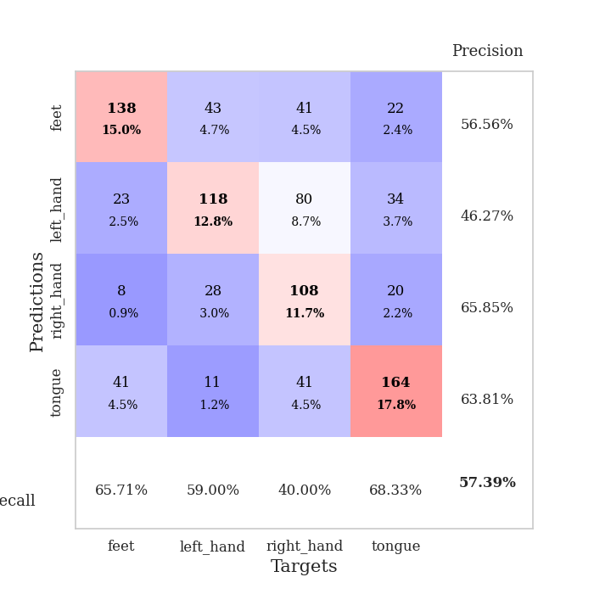
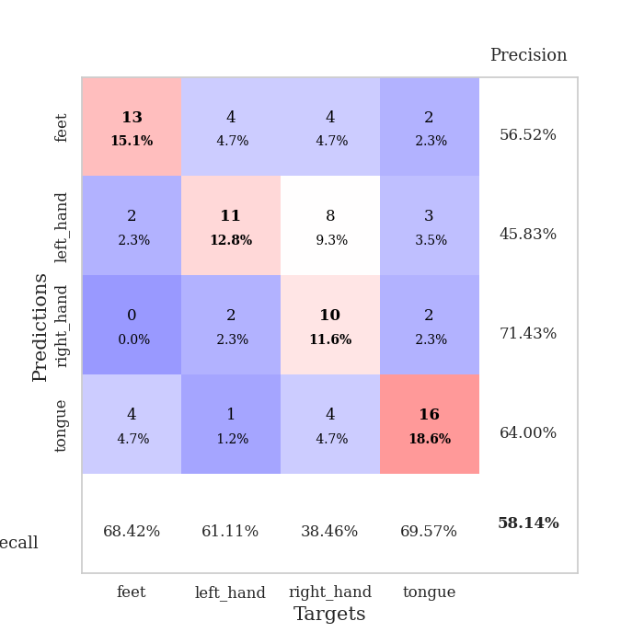
best_val_acc | best_val_los | best_test_acc
0.61956521739 | 1.4501266635 | 0.54310344828
0.58695652174 | 1.1819915357 | 0.50862068966
0.58695652174 | 1.3555706221 | 0.53448275862
0.59782608696 | 1.622638889 | 0.51724137931
0.58695652174 | 1.3243530704 | 0.53448275862
0.52173913043 | 1.6823841748 | 0.45689655172
0.58695652174 | 1.3591332176 | 0.52586206897
0.55434782609 | 1.3894363745 | 0.38793103448
0.55434782609 | 1.3808591832 | 0.45689655172
0.54347826087 | 1.3160723655 | 0.51724137931

Mean,std Val accuracy is 0.5739130434782609 , 0.02934558946567622 and mean, std test accuracy is 0.49827586206896557 , 0.049237816070353775

Sheet1
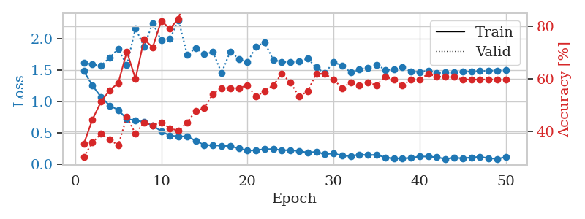
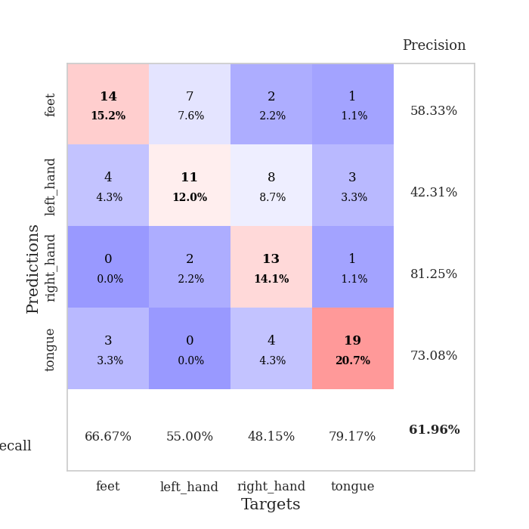
train_loss | valid_loss | train_accuracy | valid_accuracy | dur | train_misclass | valid_misclass
1.4860284588 | 1.6195150095 | 0.35326086957 | 0.30434782609 | 0.080358505249 | 35.326086957 | 30.434782609
1.2535196983 | 1.5906599294 | 0.44565217391 | 0.35869565217 | 0.079120874405 | 44.565217391 | 35.869565217
1.0733340434 | 1.5703520516 | 0.51358695652 | 0.39130434783 | 0.079047203064 | 51.358695652 | 39.130434783
0.93440626238 | 1.7013542963 | 0.55706521739 | 0.36956521739 | 0.079960107803 | 55.706521739 | 36.956521739
0.86351635923 | 1.8409307936 | 0.58423913043 | 0.34782608696 | 0.079065561295 | 58.423913043 | 34.782608696
0.71921199819 | 1.5778473408 | 0.70380434783 | 0.45652173913 | 0.079969167709 | 70.380434783 | 45.652173913
0.69578059342 | 2.1700237108 | 0.60054347826 | 0.39130434783 | 0.079310894012 | 60.054347826 | 39.130434783
0.67232179383 | 1.8763756545 | 0.75 | 0.4347826087 | 0.082930803299 | 75 | 43.47826087
0.61501486923 | 2.2528300182 | 0.72010869565 | 0.42391304348 | 0.084105014801 | 72.010869565 | 42.391304348
0.52197192933 | 1.9740028692 | 0.82065217391 | 0.4347826087 | 0.080258607864 | 82.065217391 | 43.47826087
0.45348431364 | 1.9994665851 | 0.79076086957 | 0.41304347826 | 0.080029964447 | 79.076086957 | 41.304347826
0.44101408577 | 2.3004450383 | 0.82880434783 | 0.40217391304 | 0.080408334732 | 82.880434783 | 40.217391304
0.44183337883 | 1.7483245808 | 0.94565217391 | 0.4347826087 | 0.080183267593 | 94.565217391 | 43.47826087
0.37102095912 | 1.8500066115 | 0.96195652174 | 0.47826086957 | 0.080720186234 | 96.195652174 | 47.826086957
0.3031270287 | 1.7535576095 | 0.9347826087 | 0.48913043478 | 0.080932855606 | 93.47826087 | 48.913043478
0.29863744359 | 1.7900692432 | 0.96195652174 | 0.54347826087 | 0.080233573914 | 96.195652174 | 54.347826087
0.29250371651 | 1.4528873019 | 0.98369565217 | 0.5652173913 | 0.080250501633 | 98.369565217 | 56.52173913
0.28543884145 | 1.796836117 | 0.98097826087 | 0.5652173913 | 0.080555200577 | 98.097826087 | 56.52173913
0.24885118882 | 1.6812385476 | 0.97010869565 | 0.5652173913 | 0.080116987228 | 97.010869565 | 56.52173913
0.21342158058 | 1.6263551971 | 0.98641304348 | 0.57608695652 | 0.080996990204 | 98.641304348 | 57.608695652
0.22122242917 | 1.8767380714 | 0.97010869565 | 0.53260869565 | 0.081003904343 | 97.010869565 | 53.260869565
0.23547636134 | 1.9418853366 | 0.98097826087 | 0.55434782609 | 0.079835414886 | 98.097826087 | 55.434782609
0.23883255263 | 1.6644720254 | 0.98913043478 | 0.57608695652 | 0.080825567245 | 98.913043478 | 57.608695652
0.21993124534 | 1.6310726715 | 0.9972826087 | 0.61956521739 | 0.081000804901 | 99.72826087 | 61.956521739
0.22010567558 | 1.6268640238 | 0.99184782609 | 0.58695652174 | 0.080627679825 | 99.184782609 | 58.695652174
0.20910880002 | 1.6369840218 | 0.99456521739 | 0.53260869565 | 0.08003950119 | 99.456521739 | 53.260869565
0.18080714021 | 1.6851091592 | 0.99456521739 | 0.55434782609 | 0.08109664917 | 99.456521739 | 55.434782609
0.19591088787 | 1.5429215898 | 1 | 0.61956521739 | 0.081042528152 | 100 | 61.956521739
0.15519659351 | 1.4501266635 | 0.99456521739 | 0.61956521739 | 0.080975294113 | 99.456521739 | 61.956521739
0.17081612057 | 1.6314996947 | 1 | 0.59782608696 | 0.08002448082 | 100 | 59.782608696
0.13141420646 | 1.5685651147 | 1 | 0.5652173913 | 0.079865455627 | 100 | 56.52173913
0.12866111448 | 1.4663240132 | 1 | 0.58695652174 | 0.079889535904 | 100 | 58.695652174
0.14957883743 | 1.5130425277 | 1 | 0.57608695652 | 0.079973459244 | 100 | 57.608695652
0.14213989076 | 1.5388628452 | 0.9972826087 | 0.58695652174 | 0.079932451248 | 99.72826087 | 58.695652174
0.14684281304 | 1.5884922328 | 1 | 0.57608695652 | 0.080018997192 | 100 | 57.608695652
0.1052045725 | 1.5067257933 | 1 | 0.60869565217 | 0.080121278763 | 100 | 60.869565217
0.089652117423 | 1.5078584733 | 1 | 0.59782608696 | 0.079900026321 | 100 | 59.782608696
0.090182855968 | 1.5427174775 | 1 | 0.57608695652 | 0.080023050308 | 100 | 57.608695652
0.097239054416 | 1.4792919263 | 1 | 0.59782608696 | 0.079830169678 | 100 | 59.782608696
0.12019433012 | 1.4718493845 | 0.9972826087 | 0.59782608696 | 0.079998016357 | 99.72826087 | 59.782608696
0.11886852056 | 1.4941769113 | 1 | 0.61956521739 | 0.080168962479 | 100 | 61.956521739
0.10772248864 | 1.4542899495 | 1 | 0.60869565217 | 0.080993652344 | 100 | 60.869565217
0.080595337988 | 1.4663652233 | 1 | 0.60869565217 | 0.080572366714 | 100 | 60.869565217
0.10116574184 | 1.4631047819 | 1 | 0.60869565217 | 0.079956769943 | 100 | 60.869565217
0.090350996541 | 1.4745391141 | 1 | 0.59782608696 | 0.079899311066 | 100 | 59.782608696
0.10463167921 | 1.4787190531 | 1 | 0.59782608696 | 0.080478668213 | 100 | 59.782608696
0.11380863088 | 1.4842833592 | 1 | 0.59782608696 | 0.079977035522 | 100 | 59.782608696
0.093847992951 | 1.4906382561 | 1 | 0.59782608696 | 0.079988956451 | 100 | 59.782608696
0.080309072914 | 1.4946525045 | 1 | 0.59782608696 | 0.080051898956 | 100 | 59.782608696
0.11122242582 | 1.4971716663 | 1 | 0.59782608696 | 0.07997584343 | 100 | 59.782608696

Best Val accuracy is 0.6195652173913043 and Best test accuracy is 0.5431034482758621

Sheet2
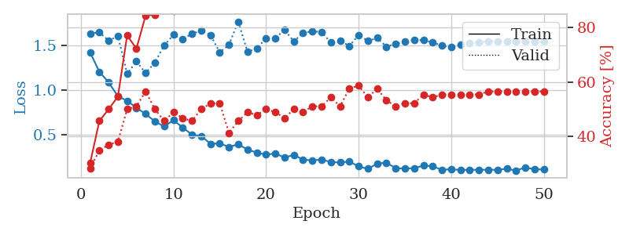
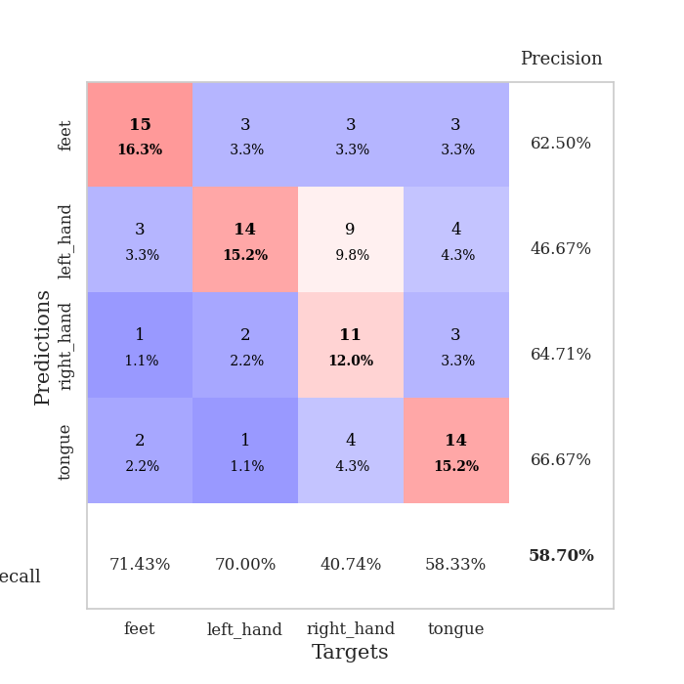
train_loss | valid_loss | train_accuracy | valid_accuracy | dur | train_misclass | valid_misclass
1.4196815543 | 1.6318945055 | 0.30163043478 | 0.28260869565 | 0.083087205887 | 30.163043478 | 28.260869565
1.2030138866 | 1.6436015057 | 0.45652173913 | 0.34782608696 | 0.079607009888 | 45.652173913 | 34.782608696
1.0860119695 | 1.5505970509 | 0.5 | 0.36956521739 | 0.079752206802 | 50 | 36.956521739
0.93032431343 | 1.6005437245 | 0.54619565217 | 0.38043478261 | 0.080155611038 | 54.619565217 | 38.043478261
0.88035488647 | 1.1819915357 | 0.77173913043 | 0.5 | 0.080266952515 | 77.173913043 | 50
0.8011669076 | 1.3195356934 | 0.72282608696 | 0.51086956522 | 0.080193281174 | 72.282608696 | 51.086956522
0.7336285205 | 1.1902328341 | 0.84510869565 | 0.5652173913 | 0.080274343491 | 84.510869565 | 56.52173913
0.64915045707 | 1.3066380205 | 0.84782608696 | 0.5 | 0.080264568329 | 84.782608696 | 50
0.5939658958 | 1.4973293076 | 0.875 | 0.45652173913 | 0.080150604248 | 87.5 | 45.652173913
0.66315573454 | 1.6159134041 | 0.86141304348 | 0.48913043478 | 0.080538034439 | 86.141304348 | 48.913043478
0.58240676574 | 1.5639973568 | 0.8777173913 | 0.46739130435 | 0.08153963089 | 87.77173913 | 46.739130435
0.50208562094 | 1.6294391414 | 0.92119565217 | 0.45652173913 | 0.080503940582 | 92.119565217 | 45.652173913
0.48745656532 | 1.6605624064 | 0.91304347826 | 0.5 | 0.080353498459 | 91.304347826 | 50
0.40003806029 | 1.6143686305 | 0.91847826087 | 0.52173913043 | 0.081317424774 | 91.847826087 | 52.173913043
0.40579731762 | 1.4200166982 | 0.96467391304 | 0.52173913043 | 0.081145048141 | 96.467391304 | 52.173913043
0.36362393654 | 1.5050540333 | 0.9375 | 0.41304347826 | 0.081090450287 | 93.75 | 41.304347826
0.39613703347 | 1.7636406681 | 0.95108695652 | 0.45652173913 | 0.081084012985 | 95.108695652 | 45.652173913
0.33512834427 | 1.4248306103 | 0.97826086957 | 0.48913043478 | 0.080605506897 | 97.826086957 | 48.913043478
0.30307608843 | 1.4651948965 | 0.99456521739 | 0.47826086957 | 0.080709934235 | 99.456521739 | 47.826086957
0.27893907933 | 1.5749883704 | 0.98369565217 | 0.5 | 0.080659627914 | 98.369565217 | 50
0.29319198073 | 1.5761565592 | 0.99184782609 | 0.48913043478 | 0.081078529358 | 99.184782609 | 48.913043478
0.24694427848 | 1.6716508917 | 0.98641304348 | 0.46739130435 | 0.081036567688 | 98.641304348 | 46.739130435
0.27666480839 | 1.5427047144 | 0.98913043478 | 0.5 | 0.080166578293 | 98.913043478 | 50
0.22373536294 | 1.634839641 | 0.98641304348 | 0.48913043478 | 0.079889774323 | 98.641304348 | 48.913043478
0.21509748341 | 1.6562535244 | 1 | 0.51086956522 | 0.079969882965 | 100 | 51.086956522
0.22568554512 | 1.6453685553 | 0.99456521739 | 0.51086956522 | 0.080403327942 | 99.456521739 | 51.086956522
0.19677497916 | 1.529822334 | 0.9972826087 | 0.54347826087 | 0.080084562302 | 99.72826087 | 54.347826087
0.19170687623 | 1.550013226 | 0.9972826087 | 0.51086956522 | 0.080093860626 | 99.72826087 | 51.086956522
0.2027621057 | 1.4907701275 | 1 | 0.57608695652 | 0.080134153366 | 100 | 57.608695652
0.14777708847 | 1.614491727 | 1 | 0.58695652174 | 0.080321550369 | 100 | 58.695652174
0.12176020929 | 1.5475253281 | 1 | 0.54347826087 | 0.080472230911 | 100 | 54.347826087
0.17812769617 | 1.5803601016 | 0.99184782609 | 0.57608695652 | 0.080023765564 | 99.184782609 | 57.608695652
0.19090290303 | 1.4838103574 | 1 | 0.53260869565 | 0.081151247025 | 100 | 53.260869565
0.12810233543 | 1.5157941062 | 1 | 0.51086956522 | 0.08105635643 | 100 | 51.086956522
0.12451823785 | 1.5397491248 | 1 | 0.52173913043 | 0.081201791763 | 100 | 52.173913043
0.1287988775 | 1.5596418433 | 1 | 0.52173913043 | 0.081217288971 | 100 | 52.173913043
0.15710340699 | 1.5553511537 | 1 | 0.55434782609 | 0.080968856812 | 100 | 55.434782609
0.15102384086 | 1.5324134101 | 1 | 0.54347826087 | 0.080165863037 | 100 | 54.347826087
0.10868731425 | 1.4946331796 | 1 | 0.55434782609 | 0.079976320267 | 100 | 55.434782609
0.11839476892 | 1.4800901931 | 1 | 0.55434782609 | 0.08043718338 | 100 | 55.434782609
0.10737850776 | 1.5030434987 | 1 | 0.55434782609 | 0.080568552017 | 100 | 55.434782609
0.11144719289 | 1.5257627498 | 1 | 0.55434782609 | 0.079918384552 | 100 | 55.434782609
0.10954662376 | 1.5314950477 | 1 | 0.55434782609 | 0.080017566681 | 100 | 55.434782609
0.11186163241 | 1.5427971871 | 1 | 0.5652173913 | 0.079957723618 | 100 | 56.52173913
0.10989340638 | 1.5446717013 | 1 | 0.5652173913 | 0.079985618591 | 100 | 56.52173913
0.12214484973 | 1.5451470665 | 1 | 0.5652173913 | 0.079988718033 | 100 | 56.52173913
0.10186044386 | 1.5414056571 | 1 | 0.5652173913 | 0.080123662949 | 100 | 56.52173913
0.13786056622 | 1.5387324198 | 1 | 0.5652173913 | 0.080092906952 | 100 | 56.52173913
0.11532071006 | 1.5375075418 | 1 | 0.5652173913 | 0.080038309097 | 100 | 56.52173913
0.11447188987 | 1.5366442929 | 1 | 0.5652173913 | 0.079885005951 | 100 | 56.52173913

Best Val accuracy is 0.5869565217391305 and Best test accuracy is 0.5086206896551724

Sheet3
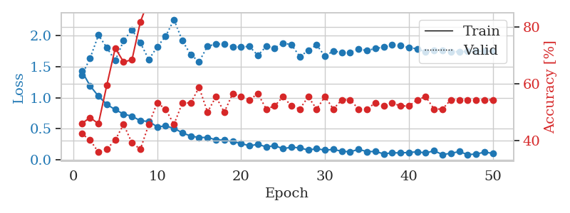
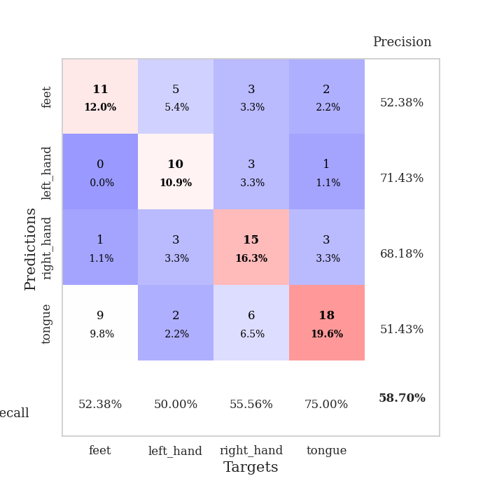
train_loss | valid_loss | train_accuracy | valid_accuracy | dur | train_misclass | valid_misclass
1.4322400041 | 1.3555706221 | 0.45923913043 | 0.42391304348 | 0.081081628799 | 45.923913043 | 42.391304348
1.1922429826 | 1.6314496113 | 0.48097826087 | 0.40217391304 | 0.08086514473 | 48.097826087 | 40.217391304
1.0251005707 | 2.0063850931 | 0.45923913043 | 0.35869565217 | 0.080649614334 | 45.923913043 | 35.869565217
0.89212948861 | 1.8037549309 | 0.59510869565 | 0.36956521739 | 0.080806970596 | 59.510869565 | 36.956521739
0.8085860014 | 1.5957334353 | 0.72554347826 | 0.40217391304 | 0.081089496613 | 72.554347826 | 40.217391304
0.73727485278 | 1.9174616492 | 0.67663043478 | 0.45652173913 | 0.081145524979 | 67.663043478 | 45.652173913
0.70190405586 | 2.0927703743 | 0.6847826087 | 0.39130434783 | 0.080729961395 | 68.47826087 | 39.130434783
0.63029833203 | 1.8807555696 | 0.81793478261 | 0.36956521739 | 0.080874204636 | 81.793478261 | 36.956521739
0.61958520438 | 1.6133892847 | 0.89673913043 | 0.45652173913 | 0.081121206284 | 89.673913043 | 45.652173913
0.53289257184 | 1.8159488802 | 0.90489130435 | 0.53260869565 | 0.08319401741 | 90.489130435 | 53.260869565
0.54539014917 | 1.9851788956 | 0.94565217391 | 0.51086956522 | 0.090616226196 | 94.565217391 | 51.086956522
0.50865224133 | 2.2562623542 | 0.90217391304 | 0.45652173913 | 0.090156078339 | 90.217391304 | 45.652173913
0.43664401057 | 1.9163137104 | 0.9375 | 0.53260869565 | 0.082020998001 | 93.75 | 53.260869565
0.38338522872 | 1.691022111 | 0.97554347826 | 0.53260869565 | 0.081114053726 | 97.554347826 | 53.260869565
0.36120247906 | 1.5779513639 | 0.95652173913 | 0.58695652174 | 0.08117556572 | 95.652173913 | 58.695652174
0.36202695577 | 1.8292141375 | 0.97826086957 | 0.5 | 0.081582307816 | 97.826086957 | 50
0.32386361289 | 1.8602596366 | 0.96739130435 | 0.55434782609 | 0.081413030624 | 96.739130435 | 55.434782609
0.31926825448 | 1.8684513051 | 0.98641304348 | 0.5 | 0.081475496292 | 98.641304348 | 50
0.29505171821 | 1.820246116 | 0.98913043478 | 0.5652173913 | 0.081707239151 | 98.913043478 | 56.52173913
0.26644439639 | 1.8153229796 | 0.9972826087 | 0.55434782609 | 0.084218502045 | 99.72826087 | 55.434782609
0.22642398399 | 1.824667433 | 0.9972826087 | 0.54347826087 | 0.081784725189 | 99.72826087 | 54.347826087
0.25129838417 | 1.6790781539 | 0.99456521739 | 0.5652173913 | 0.081653594971 | 99.456521739 | 56.52173913
0.20981437016 | 1.8251365475 | 1 | 0.51086956522 | 0.081707715988 | 100 | 51.086956522
0.23055427424 | 1.7980497298 | 0.99184782609 | 0.52173913043 | 0.081852674484 | 99.184782609 | 52.173913043
0.18034647049 | 1.8797747674 | 1 | 0.55434782609 | 0.081733942032 | 100 | 55.434782609
0.20565879734 | 1.8507437395 | 1 | 0.52173913043 | 0.081815004349 | 100 | 52.173913043
0.1941455891 | 1.6629460273 | 0.99456521739 | 0.51086956522 | 0.082002878189 | 99.456521739 | 51.086956522
0.15938313241 | 1.7565116053 | 1 | 0.55434782609 | 0.081950187683 | 100 | 55.434782609
0.18051007358 | 1.8498295805 | 1 | 0.51086956522 | 0.083877086639 | 100 | 51.086956522
0.15814622492 | 1.6650664288 | 0.99456521739 | 0.55434782609 | 0.081855297089 | 99.456521739 | 55.434782609
0.16902874799 | 1.7532854599 | 0.99456521739 | 0.51086956522 | 0.081604242325 | 99.456521739 | 51.086956522
0.14057293275 | 1.7226336417 | 0.98641304348 | 0.54347826087 | 0.081911087036 | 98.641304348 | 54.347826087
0.13050647177 | 1.7288092116 | 1 | 0.54347826087 | 0.08176112175 | 100 | 54.347826087
0.1713152957 | 1.7793684628 | 1 | 0.51086956522 | 0.081797599792 | 100 | 51.086956522
0.133707946 | 1.7584580131 | 1 | 0.51086956522 | 0.081886768341 | 100 | 51.086956522
0.13657975294 | 1.7907293361 | 1 | 0.53260869565 | 0.082067489624 | 100 | 53.260869565
0.098132911503 | 1.8125934497 | 1 | 0.52173913043 | 0.082017660141 | 100 | 52.173913043
0.11476702826 | 1.8487067741 | 1 | 0.53260869565 | 0.081653356552 | 100 | 53.260869565
0.11426777425 | 1.8359903356 | 1 | 0.52173913043 | 0.081664562225 | 100 | 52.173913043
0.12044852948 | 1.8049015273 | 1 | 0.52173913043 | 0.081767559052 | 100 | 52.173913043
0.13096408011 | 1.7860326249 | 1 | 0.54347826087 | 0.081453800201 | 100 | 54.347826087
0.11268848667 | 1.7328620475 | 1 | 0.55434782609 | 0.081833362579 | 100 | 55.434782609
0.1469001604 | 1.7559661451 | 1 | 0.51086956522 | 0.082020759583 | 100 | 51.086956522
0.087335073916 | 1.7570417757 | 1 | 0.51086956522 | 0.081984758377 | 100 | 51.086956522
0.10662480282 | 1.7359346411 | 1 | 0.54347826087 | 0.081885814667 | 100 | 54.347826087
0.13451549856 | 1.7417095744 | 1 | 0.54347826087 | 0.081969499588 | 100 | 54.347826087
0.086096658817 | 1.7430800873 | 1 | 0.54347826087 | 0.081936120987 | 100 | 54.347826087
0.095385891264 | 1.7455620247 | 1 | 0.54347826087 | 0.081765413284 | 100 | 54.347826087
0.12453778007 | 1.747167069 | 1 | 0.54347826087 | 0.081766843796 | 100 | 54.347826087
0.10703642602 | 1.7492113424 | 1 | 0.54347826087 | 0.081733465195 | 100 | 54.347826087

Best Val accuracy is 0.5869565217391305 and Best test accuracy is 0.5344827586206896

Sheet4
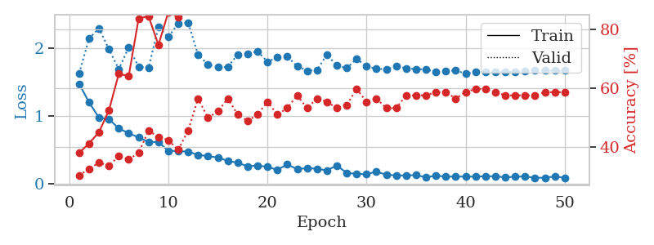
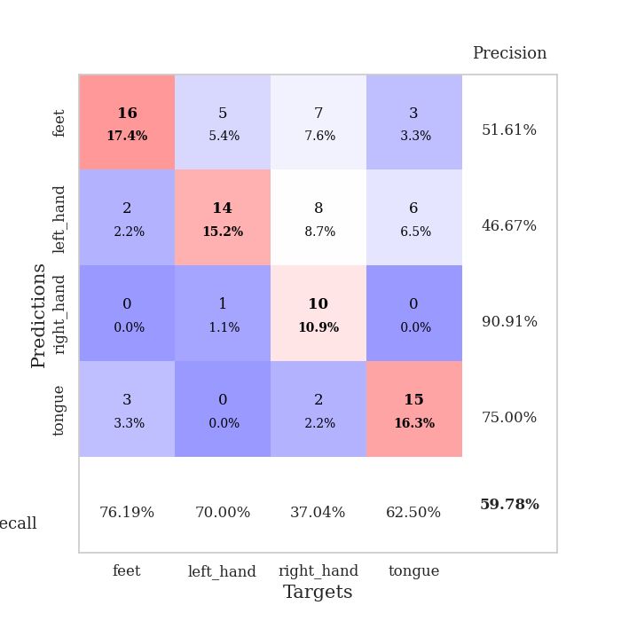
train_loss | valid_loss | train_accuracy | valid_accuracy | dur | train_misclass | valid_misclass
1.4718091799 | 1.6262540869 | 0.38043478261 | 0.30434782609 | 0.082159996033 | 38.043478261 | 30.434782609
1.1979066393 | 2.1413774646 | 0.41304347826 | 0.32608695652 | 0.081217288971 | 41.304347826 | 32.608695652
0.97287771235 | 2.2896127286 | 0.45108695652 | 0.34782608696 | 0.083922624588 | 45.108695652 | 34.782608696
0.95211243629 | 1.9840915307 | 0.52445652174 | 0.33695652174 | 0.081509113312 | 52.445652174 | 33.695652174
0.81245058645 | 1.6885982026 | 0.64945652174 | 0.36956521739 | 0.081381320953 | 64.945652174 | 36.956521739
0.74235800427 | 2.0082815626 | 0.64130434783 | 0.35869565217 | 0.081872940063 | 64.130434783 | 35.869565217
0.68110072094 | 1.7255110119 | 0.83695652174 | 0.38043478261 | 0.081692457199 | 83.695652174 | 38.043478261
0.6134626075 | 1.7084248636 | 0.84510869565 | 0.45652173913 | 0.081381559372 | 84.510869565 | 45.652173913
0.61163059914 | 2.3092335411 | 0.7472826087 | 0.4347826087 | 0.081521987915 | 74.72826087 | 43.47826087
0.48266393529 | 2.1624539106 | 0.85869565217 | 0.42391304348 | 0.082035064697 | 85.869565217 | 42.391304348
0.47805576156 | 2.3644806406 | 0.84239130435 | 0.39130434783 | 0.08242058754 | 84.239130435 | 39.130434783
0.47013523268 | 2.3777913736 | 0.88315217391 | 0.45652173913 | 0.083389282227 | 88.315217391 | 45.652173913
0.42250907162 | 1.8976413789 | 0.93206521739 | 0.5652173913 | 0.080601453781 | 93.206521739 | 56.52173913
0.40411184663 | 1.7573015379 | 0.95652173913 | 0.5 | 0.081399440765 | 95.652173913 | 50
0.3834392098 | 1.7166158946 | 0.96739130435 | 0.52173913043 | 0.083110332489 | 96.739130435 | 52.173913043
0.33390608592 | 1.7183316272 | 0.98097826087 | 0.5652173913 | 0.081251382828 | 98.097826087 | 56.52173913
0.30656252218 | 1.90577733 | 0.98913043478 | 0.51086956522 | 0.081260681152 | 98.913043478 | 51.086956522
0.25424002921 | 1.9131907691 | 0.99456521739 | 0.48913043478 | 0.081358909607 | 99.456521739 | 48.913043478
0.26580323635 | 1.9533195807 | 0.98913043478 | 0.51086956522 | 0.081480264664 | 98.913043478 | 51.086956522
0.24542194054 | 1.7974286079 | 0.99184782609 | 0.55434782609 | 0.081650972366 | 99.184782609 | 55.434782609
0.20230066452 | 1.8622608081 | 0.98641304348 | 0.51086956522 | 0.08152794838 | 98.641304348 | 51.086956522
0.28005995342 | 1.8769658234 | 0.9972826087 | 0.53260869565 | 0.081413984299 | 99.72826087 | 53.260869565
0.21311434909 | 1.7313252739 | 0.99184782609 | 0.57608695652 | 0.081373214722 | 99.184782609 | 57.608695652
0.22628956191 | 1.6662016641 | 1 | 0.53260869565 | 0.0819876194 | 100 | 53.260869565
0.21863148977 | 1.6752817942 | 1 | 0.5652173913 | 0.081618785858 | 100 | 56.52173913
0.19291558732 | 1.9030295144 | 0.99456521739 | 0.55434782609 | 0.081678390503 | 99.456521739 | 55.434782609
0.26596101827 | 1.7401216548 | 1 | 0.53260869565 | 0.081482887268 | 100 | 53.260869565
0.15565254458 | 1.7030019242 | 1 | 0.54347826087 | 0.081637859344 | 100 | 54.347826087
0.14192758938 | 1.8410182932 | 1 | 0.59782608696 | 0.081491708755 | 100 | 59.782608696
0.1368255237 | 1.7274384913 | 1 | 0.55434782609 | 0.081874608994 | 100 | 55.434782609
0.17602410556 | 1.6946256783 | 1 | 0.5652173913 | 0.081658840179 | 100 | 56.52173913
0.12790460625 | 1.6863342368 | 1 | 0.53260869565 | 0.08171415329 | 100 | 53.260869565
0.12019123372 | 1.7327323478 | 0.9972826087 | 0.53260869565 | 0.081663131714 | 99.72826087 | 53.260869565
0.11752421336 | 1.7022324956 | 1 | 0.57608695652 | 0.081733703613 | 100 | 57.608695652
0.12539352639 | 1.6869777493 | 1 | 0.57608695652 | 0.081658124924 | 100 | 57.608695652
0.089722854126 | 1.6876707181 | 1 | 0.57608695652 | 0.081802368164 | 100 | 57.608695652
0.11699419299 | 1.6430643641 | 1 | 0.58695652174 | 0.081611394882 | 100 | 58.695652174
0.10102866679 | 1.6625404151 | 1 | 0.58695652174 | 0.081615447998 | 100 | 58.695652174
0.10257342158 | 1.6673777311 | 1 | 0.5652173913 | 0.081843614578 | 100 | 56.52173913
0.10148217833 | 1.622638889 | 1 | 0.58695652174 | 0.081710338593 | 100 | 58.695652174
0.10218764704 | 1.6456920686 | 1 | 0.59782608696 | 0.08488035202 | 100 | 59.782608696
0.10543441999 | 1.6449927454 | 1 | 0.59782608696 | 0.082246303558 | 100 | 59.782608696
0.10763942199 | 1.6475061437 | 1 | 0.58695652174 | 0.081346511841 | 100 | 58.695652174
0.089345530485 | 1.6441444314 | 1 | 0.57608695652 | 0.08129119873 | 100 | 57.608695652
0.10017756146 | 1.654207551 | 1 | 0.57608695652 | 0.081302165985 | 100 | 57.608695652
0.10390288399 | 1.6626884523 | 1 | 0.57608695652 | 0.081234693527 | 100 | 57.608695652
0.084627546046 | 1.6666244424 | 1 | 0.57608695652 | 0.081174850464 | 100 | 57.608695652
0.084753450654 | 1.6680361914 | 1 | 0.58695652174 | 0.0812895298 | 100 | 58.695652174
0.10419575412 | 1.6675871248 | 1 | 0.58695652174 | 0.081426620483 | 100 | 58.695652174
0.083610720609 | 1.6668480065 | 1 | 0.58695652174 | 0.081479310989 | 100 | 58.695652174

Best Val accuracy is 0.5978260869565217 and Best test accuracy is 0.5172413793103449

Sheet5
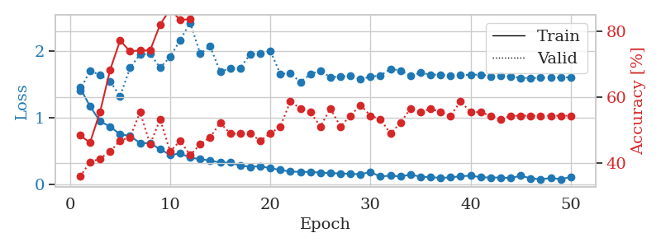
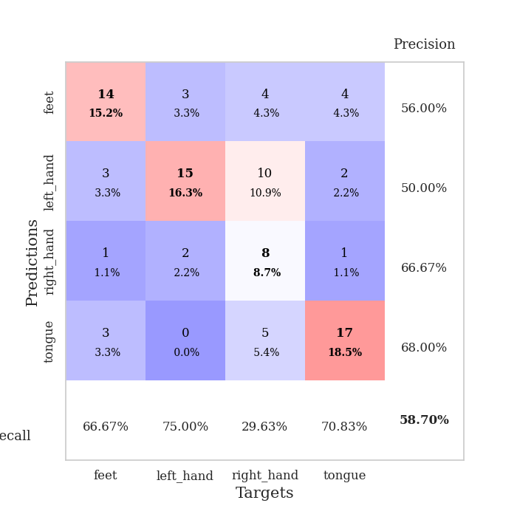
train_loss | valid_loss | train_accuracy | valid_accuracy | dur | train_misclass | valid_misclass
1.4538535553 | 1.412430955 | 0.48369565217 | 0.35869565217 | 0.081727027893 | 48.369565217 | 35.869565217
1.173857606 | 1.7080218896 | 0.46195652174 | 0.40217391304 | 0.080993413925 | 46.195652174 | 40.217391304
0.94721364457 | 1.6427966253 | 0.55434782609 | 0.41304347826 | 0.080953836441 | 55.434782609 | 41.304347826
0.86877134054 | 1.5489666203 | 0.68206521739 | 0.4347826087 | 0.08113527298 | 68.206521739 | 43.47826087
0.75261004852 | 1.3243530704 | 0.77173913043 | 0.46739130435 | 0.080763339996 | 77.173913043 | 46.739130435
0.72805894458 | 1.7504917487 | 0.73913043478 | 0.47826086957 | 0.080897569656 | 73.913043478 | 47.826086957
0.62130062995 | 1.9542795472 | 0.74184782609 | 0.55434782609 | 0.080742359161 | 74.184782609 | 55.434782609
0.61842370292 | 1.9620511169 | 0.74184782609 | 0.45652173913 | 0.081403970718 | 74.184782609 | 45.652173913
0.52970363005 | 1.7513102449 | 0.82065217391 | 0.53260869565 | 0.080624341965 | 82.065217391 | 53.260869565
0.44201989213 | 1.9147602009 | 0.86684782609 | 0.4347826087 | 0.08138012886 | 86.684782609 | 43.47826087
0.46377591335 | 2.1683370549 | 0.83423913043 | 0.46739130435 | 0.081736803055 | 83.423913043 | 46.739130435
0.40333272193 | 2.4285515495 | 0.83695652174 | 0.42391304348 | 0.081334590912 | 83.695652174 | 42.391304348
0.37964584776 | 1.961406744 | 0.9347826087 | 0.45652173913 | 0.081402301788 | 93.47826087 | 45.652173913
0.35858595501 | 2.0714197625 | 0.90217391304 | 0.47826086957 | 0.081358671188 | 90.217391304 | 47.826086957
0.32811306028 | 1.6890795075 | 0.94565217391 | 0.52173913043 | 0.081291675568 | 94.565217391 | 52.173913043
0.32812178621 | 1.7461395419 | 0.98369565217 | 0.48913043478 | 0.081258058548 | 98.369565217 | 48.913043478
0.28410306136 | 1.7483746694 | 0.98369565217 | 0.48913043478 | 0.080540418625 | 98.369565217 | 48.913043478
0.26464304781 | 1.9569643373 | 0.97554347826 | 0.48913043478 | 0.080471038818 | 97.554347826 | 48.913043478
0.2729170465 | 1.9641640238 | 0.98097826087 | 0.46739130435 | 0.080510139465 | 98.097826087 | 46.739130435
0.24420680592 | 2.0052143387 | 0.97826086957 | 0.48913043478 | 0.080423355103 | 97.826086957 | 48.913043478
0.21807775031 | 1.6612042707 | 0.9972826087 | 0.51086956522 | 0.080703735352 | 99.72826087 | 51.086956522
0.19272221916 | 1.6653472963 | 0.9972826087 | 0.58695652174 | 0.080740451813 | 99.72826087 | 58.695652174
0.18980410047 | 1.5382151189 | 0.9972826087 | 0.5652173913 | 0.08087182045 | 99.72826087 | 56.52173913
0.18733828191 | 1.6529641566 | 0.9972826087 | 0.55434782609 | 0.080562353134 | 99.72826087 | 55.434782609
0.17729959588 | 1.7085568387 | 0.9972826087 | 0.51086956522 | 0.080732107162 | 99.72826087 | 51.086956522
0.16811710191 | 1.6088552682 | 1 | 0.5652173913 | 0.080527544022 | 100 | 56.52173913
0.16652596564 | 1.6193137013 | 1 | 0.51086956522 | 0.081258535385 | 100 | 51.086956522
0.15761307692 | 1.6274935318 | 1 | 0.54347826087 | 0.081298112869 | 100 | 54.347826087
0.15428686012 | 1.5777553216 | 1 | 0.57608695652 | 0.081531047821 | 100 | 57.608695652
0.18511964154 | 1.6187845883 | 1 | 0.54347826087 | 0.081377744675 | 100 | 54.347826087
0.11773677101 | 1.6329771073 | 1 | 0.53260869565 | 0.081707715988 | 100 | 53.260869565
0.13429595708 | 1.7353569528 | 1 | 0.48913043478 | 0.081366300583 | 100 | 48.913043478
0.11804672193 | 1.7104262114 | 1 | 0.52173913043 | 0.081344127655 | 100 | 52.173913043
0.1477695927 | 1.6339723908 | 1 | 0.5652173913 | 0.081129789352 | 100 | 56.52173913
0.11618576814 | 1.6775232605 | 1 | 0.55434782609 | 0.081365823746 | 100 | 55.434782609
0.1105221548 | 1.6465438397 | 1 | 0.5652173913 | 0.081366300583 | 100 | 56.52173913
0.097397271746 | 1.6486493038 | 1 | 0.55434782609 | 0.081411361694 | 100 | 55.434782609
0.10649524289 | 1.6281508726 | 1 | 0.54347826087 | 0.080733299255 | 100 | 54.347826087
0.12337740179 | 1.6435619904 | 1 | 0.58695652174 | 0.080555915833 | 100 | 58.695652174
0.1315064542 | 1.6442607849 | 1 | 0.55434782609 | 0.080616474152 | 100 | 55.434782609
0.10915360843 | 1.6496881402 | 1 | 0.55434782609 | 0.080491542816 | 100 | 55.434782609
0.10298568763 | 1.6242311208 | 1 | 0.54347826087 | 0.080520629883 | 100 | 54.347826087
0.1040830758 | 1.6281619746 | 1 | 0.53260869565 | 0.080478429794 | 100 | 53.260869565
0.09490630059 | 1.6213082645 | 1 | 0.54347826087 | 0.080556154251 | 100 | 54.347826087
0.13151857467 | 1.6003352922 | 1 | 0.54347826087 | 0.080533504486 | 100 | 54.347826087
0.09145616659 | 1.5969528737 | 1 | 0.54347826087 | 0.080606460571 | 100 | 54.347826087
0.077500188521 | 1.6008453421 | 1 | 0.54347826087 | 0.080570697784 | 100 | 54.347826087
0.09638064298 | 1.6028311719 | 1 | 0.54347826087 | 0.080599784851 | 100 | 54.347826087
0.079599871665 | 1.6053577662 | 1 | 0.54347826087 | 0.080499887466 | 100 | 54.347826087
0.11010940235 | 1.6074534655 | 1 | 0.54347826087 | 0.080566167831 | 100 | 54.347826087

Best Val accuracy is 0.5869565217391305 and Best test accuracy is 0.5344827586206896

Sheet6
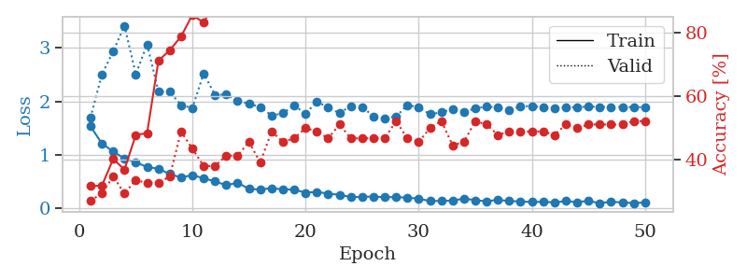
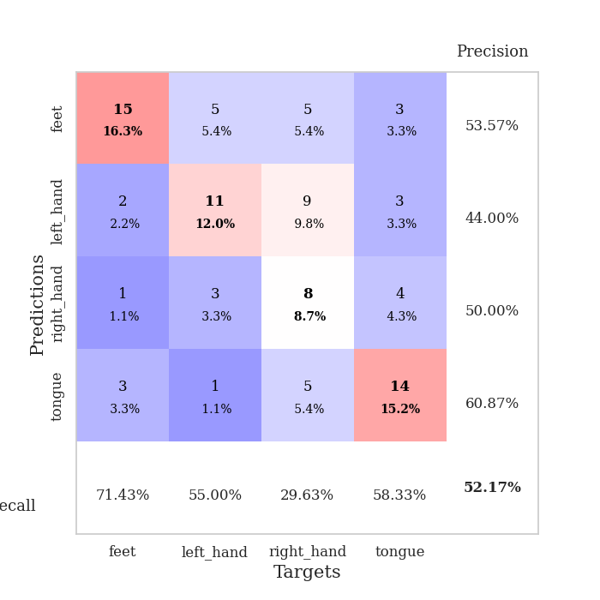
train_loss | valid_loss | train_accuracy | valid_accuracy | dur | train_misclass | valid_misclass
1.5316781531 | 1.6962066681 | 0.31793478261 | 0.27173913043 | 0.081475019455 | 31.793478261 | 27.173913043
1.2122395194 | 2.4994867159 | 0.31793478261 | 0.29347826087 | 0.081190109253 | 31.793478261 | 29.347826087
1.0598583766 | 2.9323503556 | 0.40217391304 | 0.34782608696 | 0.081027746201 | 40.217391304 | 34.782608696
0.92694593253 | 3.4165919864 | 0.36956521739 | 0.29347826087 | 0.08126282692 | 36.956521739 | 29.347826087
0.86199017452 | 2.5070186698 | 0.47826086957 | 0.33695652174 | 0.081158638 | 47.826086957 | 33.695652174
0.76878679576 | 3.0664171551 | 0.48369565217 | 0.32608695652 | 0.081298112869 | 48.369565217 | 32.608695652
0.73946729432 | 2.1881052411 | 0.71195652174 | 0.32608695652 | 0.081205368042 | 71.195652174 | 32.608695652
0.63805324487 | 2.1793380302 | 0.74456521739 | 0.34782608696 | 0.081312894821 | 74.456521739 | 34.782608696
0.57399128961 | 1.9301756465 | 0.78804347826 | 0.48913043478 | 0.081271886826 | 78.804347826 | 48.913043478
0.61951285471 | 1.8753841338 | 0.85597826087 | 0.4347826087 | 0.081520795822 | 85.597826087 | 43.47826087
0.5580360423 | 2.523198843 | 0.83152173913 | 0.38043478261 | 0.081135749817 | 83.152173913 | 38.043478261
0.50142574829 | 2.1184029476 | 0.89945652174 | 0.38043478261 | 0.081151485443 | 89.945652174 | 38.043478261
0.42820337544 | 2.1295810368 | 0.93206521739 | 0.41304347826 | 0.081263303757 | 93.206521739 | 41.304347826
0.47612603203 | 2.0062539163 | 0.92934782609 | 0.41304347826 | 0.081247329712 | 92.934782609 | 41.304347826
0.36052599161 | 1.9588415208 | 0.95380434783 | 0.45652173913 | 0.081232786179 | 95.380434783 | 45.652173913
0.34765183828 | 1.8904379243 | 0.98097826087 | 0.39130434783 | 0.081301689148 | 98.097826087 | 39.130434783
0.3752069849 | 1.7355881722 | 0.97554347826 | 0.48913043478 | 0.080937385559 | 97.554347826 | 48.913043478
0.34944725684 | 1.7748512807 | 0.97010869565 | 0.45652173913 | 0.081392526627 | 97.010869565 | 45.652173913
0.34809369367 | 1.9260513679 | 0.98641304348 | 0.46739130435 | 0.081399202347 | 98.641304348 | 46.739130435
0.28824832064 | 1.7628154547 | 0.98913043478 | 0.5 | 0.081304550171 | 98.913043478 | 50
0.30551293622 | 1.999270916 | 0.99184782609 | 0.48913043478 | 0.082171916962 | 99.184782609 | 48.913043478
0.27086287283 | 1.8804417745 | 1 | 0.46739130435 | 0.080705881119 | 100 | 46.739130435
0.25053717909 | 1.7825625046 | 0.9972826087 | 0.51086956522 | 0.080798625946 | 99.72826087 | 51.086956522
0.20739555553 | 1.9123438649 | 0.99184782609 | 0.46739130435 | 0.08137178421 | 99.184782609 | 46.739130435
0.21086870458 | 1.8947440645 | 0.9972826087 | 0.46739130435 | 0.08114528656 | 99.72826087 | 46.739130435
0.21758561403 | 1.72141142 | 0.9972826087 | 0.46739130435 | 0.080929279327 | 99.72826087 | 46.739130435
0.20390601165 | 1.6823841748 | 0.99456521739 | 0.46739130435 | 0.081227779388 | 99.456521739 | 46.739130435
0.20851969946 | 1.7141030975 | 0.99184782609 | 0.52173913043 | 0.081069469452 | 99.184782609 | 52.173913043
0.19489856712 | 1.9307068638 | 1 | 0.46739130435 | 0.081604242325 | 100 | 46.739130435
0.17941231685 | 1.8918310663 | 1 | 0.45652173913 | 0.081047534943 | 100 | 45.652173913
0.13127493437 | 1.7565678047 | 1 | 0.5 | 0.08127117157 | 100 | 50
0.13729117924 | 1.7943848579 | 1 | 0.52173913043 | 0.081285238266 | 100 | 52.173913043
0.13894276199 | 1.8558340643 | 1 | 0.44565217391 | 0.08184337616 | 100 | 44.565217391
0.18088933583 | 1.8067782288 | 1 | 0.45652173913 | 0.082186698914 | 100 | 45.652173913
0.14761784624 | 1.8644032219 | 1 | 0.52173913043 | 0.08145737648 | 100 | 52.173913043
0.12933004502 | 1.9029027275 | 1 | 0.51086956522 | 0.081257581711 | 100 | 51.086956522
0.15601906359 | 1.8818517923 | 1 | 0.47826086957 | 0.081401109695 | 100 | 47.826086957
0.13150826518 | 1.8424642812 | 1 | 0.48913043478 | 0.081330537796 | 100 | 48.913043478
0.12544309542 | 1.907510234 | 1 | 0.48913043478 | 0.08141875267 | 100 | 48.913043478
0.11546786178 | 1.9120915092 | 1 | 0.48913043478 | 0.081210374832 | 100 | 48.913043478
0.11884122309 | 1.8851166342 | 1 | 0.48913043478 | 0.081213712692 | 100 | 48.913043478
0.10631358073 | 1.8656187317 | 1 | 0.47826086957 | 0.081194400787 | 100 | 47.826086957
0.13345930984 | 1.8860402988 | 1 | 0.51086956522 | 0.081330776215 | 100 | 51.086956522
0.11210527465 | 1.8902616501 | 1 | 0.5 | 0.081446647644 | 100 | 50
0.136497218 | 1.9025635046 | 1 | 0.51086956522 | 0.081483840942 | 100 | 51.086956522
0.091920573912 | 1.896029348 | 1 | 0.51086956522 | 0.081557750702 | 100 | 51.086956522
0.12045360462 | 1.8955639912 | 1 | 0.51086956522 | 0.081258058548 | 100 | 51.086956522
0.10555684421 | 1.8939020478 | 1 | 0.51086956522 | 0.081371307373 | 100 | 51.086956522
0.095437775649 | 1.8913907227 | 1 | 0.52173913043 | 0.081414461136 | 100 | 52.173913043
0.10529537629 | 1.8908069497 | 1 | 0.52173913043 | 0.081503868103 | 100 | 52.173913043

Best Val accuracy is 0.5217391304347826 and Best test accuracy is 0.45689655172413796

Sheet7
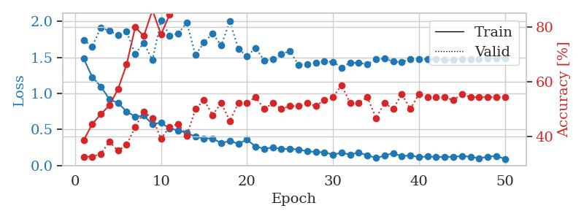
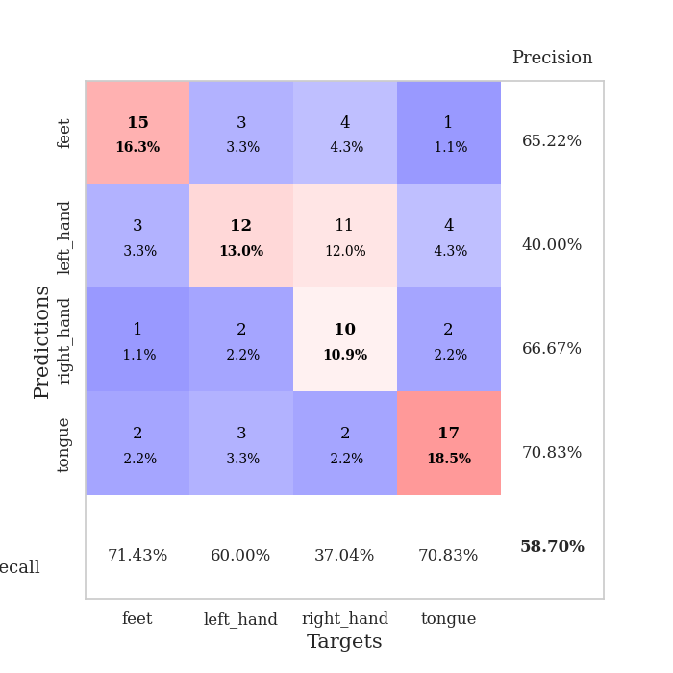
train_loss | valid_loss | train_accuracy | valid_accuracy | dur | train_misclass | valid_misclass
1.484399894 | 1.7419440435 | 0.38586956522 | 0.32608695652 | 0.08198261261 | 38.586956522 | 32.608695652
1.2264456516 | 1.6519953323 | 0.44565217391 | 0.32608695652 | 0.080795049667 | 44.565217391 | 32.608695652
1.0952953411 | 1.9168680854 | 0.48097826087 | 0.33695652174 | 0.080634355545 | 48.097826087 | 33.695652174
0.91787245222 | 1.8662274039 | 0.51358695652 | 0.38043478261 | 0.080972909927 | 51.358695652 | 38.043478261
0.86701817098 | 1.8127456074 | 0.57336956522 | 0.34782608696 | 0.080958127975 | 57.336956522 | 34.782608696
0.74744268993 | 1.8576291333 | 0.66304347826 | 0.36956521739 | 0.080841064453 | 66.304347826 | 36.956521739
0.67755584743 | 1.5448014892 | 0.79891304348 | 0.4347826087 | 0.080986022949 | 79.891304348 | 43.47826087
0.69107365867 | 1.7032822267 | 0.76630434783 | 0.48913043478 | 0.081082105637 | 76.630434783 | 48.913043478
0.57315652785 | 1.4619071147 | 0.86141304348 | 0.46739130435 | 0.081028223038 | 86.141304348 | 46.739130435
0.59312376639 | 2.0181903787 | 0.77173913043 | 0.39130434783 | 0.081010818481 | 77.173913043 | 39.130434783
0.51250960257 | 1.8027841267 | 0.84510869565 | 0.4347826087 | 0.080955505371 | 84.510869565 | 43.47826087
0.48690153594 | 1.8333409921 | 0.86684782609 | 0.44565217391 | 0.081010580063 | 86.684782609 | 44.565217391
0.45037259097 | 1.9846128744 | 0.8722826087 | 0.40217391304 | 0.081064224243 | 87.22826087 | 40.217391304
0.39969504787 | 1.532833711 | 0.94836956522 | 0.5 | 0.080992937088 | 94.836956522 | 50
0.37404639598 | 1.7068020209 | 0.9347826087 | 0.53260869565 | 0.08149433136 | 93.47826087 | 53.260869565
0.3735330066 | 1.8353041359 | 0.9402173913 | 0.47826086957 | 0.081399202347 | 94.02173913 | 47.826086957
0.31032895848 | 1.6647907806 | 0.98097826087 | 0.52173913043 | 0.081092357635 | 98.097826087 | 52.173913043
0.33845263396 | 2.0001969856 | 0.93206521739 | 0.45652173913 | 0.08104467392 | 93.206521739 | 45.652173913
0.30126672789 | 1.61712477 | 0.97010869565 | 0.52173913043 | 0.081127166748 | 97.010869565 | 52.173913043
0.35597799459 | 1.5180874078 | 0.98913043478 | 0.52173913043 | 0.081079959869 | 98.913043478 | 52.173913043
0.26251669034 | 1.6311097249 | 0.99184782609 | 0.54347826087 | 0.080948352814 | 99.184782609 | 54.347826087
0.23171737806 | 1.4575058844 | 0.99184782609 | 0.5 | 0.081279993057 | 99.184782609 | 50
0.24771407392 | 1.4716952521 | 0.99184782609 | 0.52173913043 | 0.081045627594 | 99.184782609 | 52.173913043
0.22921726885 | 1.5420103902 | 0.99184782609 | 0.5 | 0.081228017807 | 99.184782609 | 50
0.22840383568 | 1.5923229922 | 0.99456521739 | 0.51086956522 | 0.080974340439 | 99.456521739 | 51.086956522
0.22153787137 | 1.3931772346 | 0.99456521739 | 0.51086956522 | 0.080995559692 | 99.456521739 | 51.086956522
0.19494851241 | 1.4060854964 | 0.9972826087 | 0.52173913043 | 0.080982208252 | 99.72826087 | 52.173913043
0.18768585619 | 1.4224296912 | 1 | 0.51086956522 | 0.080926179886 | 100 | 51.086956522
0.18217455175 | 1.4460222773 | 0.99456521739 | 0.53260869565 | 0.08101773262 | 99.456521739 | 53.260869565
0.14931267759 | 1.4374877059 | 1 | 0.54347826087 | 0.081089496613 | 100 | 54.347826087
0.17475913254 | 1.3591332176 | 0.99184782609 | 0.58695652174 | 0.080999612808 | 99.184782609 | 58.695652174
0.1505147162 | 1.4271572621 | 0.99456521739 | 0.52173913043 | 0.081283807755 | 99.456521739 | 52.173913043
0.17889498061 | 1.4255050732 | 0.99184782609 | 0.52173913043 | 0.081226110458 | 99.184782609 | 52.173913043
0.13907004375 | 1.4044284976 | 0.99456521739 | 0.54347826087 | 0.081363201141 | 99.456521739 | 54.347826087
0.10452356181 | 1.471689188 | 1 | 0.46739130435 | 0.080414533615 | 100 | 46.739130435
0.13358019033 | 1.4834532582 | 1 | 0.52173913043 | 0.08088850975 | 100 | 52.173913043
0.17197656826 | 1.4436111191 | 1 | 0.5 | 0.080723047256 | 100 | 50
0.12594339867 | 1.434855145 | 1 | 0.55434782609 | 0.080971240997 | 100 | 55.434782609
0.13945981722 | 1.4798377338 | 1 | 0.5 | 0.080808877945 | 100 | 50
0.11267394767 | 1.4800127278 | 1 | 0.55434782609 | 0.080995321274 | 100 | 55.434782609
0.12563855849 | 1.4745320445 | 1 | 0.54347826087 | 0.08096909523 | 100 | 54.347826087
0.11607744723 | 1.477934998 | 1 | 0.54347826087 | 0.081017017365 | 100 | 54.347826087
0.11905734257 | 1.4634515669 | 1 | 0.54347826087 | 0.080801725388 | 100 | 54.347826087
0.11867475469 | 1.4700108196 | 1 | 0.53260869565 | 0.081005573273 | 100 | 53.260869565
0.13019376442 | 1.4758460988 | 1 | 0.55434782609 | 0.083627939224 | 100 | 55.434782609
0.11974027129 | 1.4749733002 | 1 | 0.54347826087 | 0.081202983856 | 100 | 54.347826087
0.099692342074 | 1.4802445692 | 1 | 0.54347826087 | 0.080785036087 | 100 | 54.347826087
0.11973152982 | 1.4836219964 | 1 | 0.54347826087 | 0.080696821213 | 100 | 54.347826087
0.13139697715 | 1.4860659216 | 1 | 0.54347826087 | 0.080580711365 | 100 | 54.347826087
0.089372337593 | 1.4883662462 | 1 | 0.54347826087 | 0.080675601959 | 100 | 54.347826087

Best Val accuracy is 0.5869565217391305 and Best test accuracy is 0.5258620689655172

Sheet8
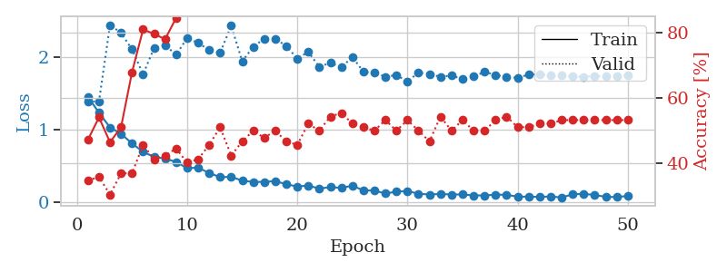
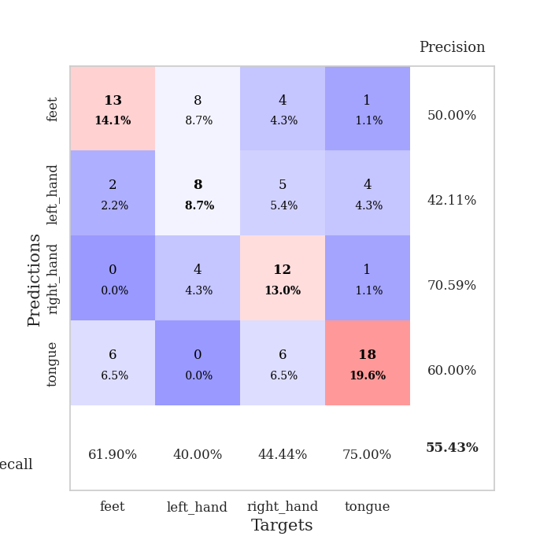
train_loss | valid_loss | train_accuracy | valid_accuracy | dur | train_misclass | valid_misclass
1.4537220882 | 1.3894363745 | 0.47282608696 | 0.34782608696 | 0.081682682037 | 47.282608696 | 34.782608696
1.2337293107 | 1.3900632081 | 0.54076086957 | 0.35869565217 | 0.080542087555 | 54.076086957 | 35.869565217
1.0318199526 | 2.4442230826 | 0.46467391304 | 0.30434782609 | 0.08071064949 | 46.467391304 | 30.434782609
0.94478617803 | 2.3340034278 | 0.51086956522 | 0.36956521739 | 0.081778287888 | 51.086956522 | 36.956521739
0.81059916123 | 2.1080610286 | 0.67934782609 | 0.36956521739 | 0.081606626511 | 67.934782609 | 36.956521739
0.69535277719 | 1.7641723 | 0.8097826087 | 0.45652173913 | 0.081145763397 | 80.97826087 | 45.652173913
0.62462161028 | 2.1254077631 | 0.79619565217 | 0.41304347826 | 0.081177949905 | 79.619565217 | 41.304347826
0.60275508269 | 2.1642611182 | 0.77989130435 | 0.42391304348 | 0.081008911133 | 77.989130435 | 42.391304348
0.55629498414 | 2.0339312761 | 0.84510869565 | 0.44565217391 | 0.080840587616 | 84.510869565 | 44.565217391
0.47011434578 | 2.2628160249 | 0.88858695652 | 0.40217391304 | 0.080913543701 | 88.858695652 | 40.217391304
0.47756857522 | 2.1972238344 | 0.89945652174 | 0.41304347826 | 0.080965280533 | 89.945652174 | 41.304347826
0.40297075069 | 2.0978202768 | 0.91576086957 | 0.45652173913 | 0.080937385559 | 91.576086957 | 45.652173913
0.3462473708 | 2.0609211507 | 0.9347826087 | 0.51086956522 | 0.08092045784 | 93.47826087 | 51.086956522
0.35138800999 | 2.433668686 | 0.93206521739 | 0.42391304348 | 0.081255912781 | 93.206521739 | 42.391304348
0.29759279898 | 1.9438674709 | 0.96195652174 | 0.46739130435 | 0.080851078033 | 96.195652174 | 46.739130435
0.28041424829 | 2.1427753956 | 0.97554347826 | 0.5 | 0.08078789711 | 97.554347826 | 50
0.28134204901 | 2.2555292119 | 0.97282608696 | 0.47826086957 | 0.080763578415 | 97.282608696 | 47.826086957
0.29139038661 | 2.2557830914 | 0.97826086957 | 0.5 | 0.080792188644 | 97.826086957 | 50
0.24917369303 | 2.1527395611 | 1 | 0.46739130435 | 0.080886363983 | 100 | 46.739130435
0.2170764697 | 1.9816525864 | 0.98913043478 | 0.45652173913 | 0.080904722214 | 98.913043478 | 45.652173913
0.23145229337 | 2.0719627453 | 0.98913043478 | 0.52173913043 | 0.081221342087 | 98.913043478 | 52.173913043
0.18775127958 | 1.8665216591 | 0.99184782609 | 0.5 | 0.081352710724 | 99.184782609 | 50
0.20957729253 | 1.9232561536 | 0.99456521739 | 0.54347826087 | 0.081000328064 | 99.456521739 | 54.347826087
0.19820717933 | 1.8580389645 | 0.9972826087 | 0.55434782609 | 0.081125497818 | 99.72826087 | 55.434782609
0.22951393364 | 2.0036213761 | 0.99456521739 | 0.52173913043 | 0.081167459488 | 99.456521739 | 52.173913043
0.16345508332 | 1.797861659 | 0.9972826087 | 0.51086956522 | 0.080971240997 | 99.72826087 | 51.086956522
0.16200806071 | 1.7841323562 | 0.9972826087 | 0.5 | 0.081098079681 | 99.72826087 | 50
0.12020915115 | 1.7320144021 | 0.9972826087 | 0.53260869565 | 0.083642959595 | 99.72826087 | 53.260869565
0.14700891418 | 1.7521236928 | 1 | 0.5 | 0.079392910004 | 100 | 50
0.15500316056 | 1.6652898685 | 1 | 0.53260869565 | 0.079402685165 | 100 | 53.260869565
0.11785110151 | 1.7861627444 | 1 | 0.5 | 0.079506158829 | 100 | 50
0.10717398811 | 1.7680139956 | 1 | 0.46739130435 | 0.079411745071 | 100 | 46.739130435
0.11509661129 | 1.7283705628 | 1 | 0.54347826087 | 0.079411268234 | 100 | 54.347826087
0.10723274574 | 1.7483421149 | 1 | 0.5 | 0.079458475113 | 100 | 50
0.10793929134 | 1.6972993353 | 1 | 0.53260869565 | 0.079443454742 | 100 | 53.260869565
0.094931115153 | 1.7337067024 | 1 | 0.5 | 0.079480409622 | 100 | 50
0.094231432547 | 1.7962158867 | 1 | 0.5 | 0.079417705536 | 100 | 50
0.10562540153 | 1.7567103505 | 1 | 0.53260869565 | 0.079449176788 | 100 | 53.260869565
0.10270846489 | 1.7251533762 | 1 | 0.54347826087 | 0.079640626907 | 100 | 54.347826087
0.078038892506 | 1.7166868552 | 1 | 0.51086956522 | 0.079444885254 | 100 | 51.086956522
0.077307980751 | 1.759440505 | 1 | 0.51086956522 | 0.079338550568 | 100 | 51.086956522
0.075025038105 | 1.7644127037 | 1 | 0.52173913043 | 0.079511642456 | 100 | 52.173913043
0.079444818766 | 1.7488054037 | 1 | 0.52173913043 | 0.079464197159 | 100 | 52.173913043
0.067088867133 | 1.7462797631 | 1 | 0.53260869565 | 0.079432964325 | 100 | 53.260869565
0.10952666491 | 1.7324448539 | 1 | 0.53260869565 | 0.07935667038 | 100 | 53.260869565
0.11581162209 | 1.7318680157 | 1 | 0.53260869565 | 0.079437017441 | 100 | 53.260869565
0.10113587522 | 1.7365571235 | 1 | 0.53260869565 | 0.079446315765 | 100 | 53.260869565
0.074622774011 | 1.740101524 | 1 | 0.53260869565 | 0.079480171204 | 100 | 53.260869565
0.072668142657 | 1.7434709513 | 1 | 0.53260869565 | 0.0794506073 | 100 | 53.260869565
0.086878103892 | 1.7460964115 | 1 | 0.53260869565 | 0.081026792526 | 100 | 53.260869565

Best Val accuracy is 0.5543478260869565 and Best test accuracy is 0.3879310344827586

Sheet9
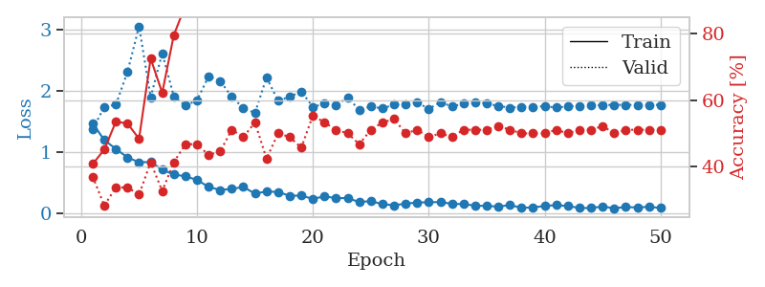
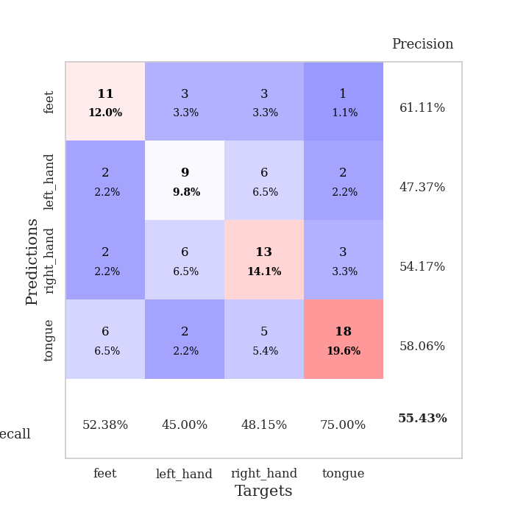
train_loss | valid_loss | train_accuracy | valid_accuracy | dur | train_misclass | valid_misclass
1.4734685836 | 1.3808591832 | 0.40760869565 | 0.36956521739 | 0.081824541092 | 40.760869565 | 36.956521739
1.2001646446 | 1.7409553528 | 0.45108695652 | 0.28260869565 | 0.080717086792 | 45.108695652 | 28.260869565
1.0557150944 | 1.7793222666 | 0.53532608696 | 0.33695652174 | 0.080318927765 | 53.532608696 | 33.695652174
0.91645054973 | 2.3135522863 | 0.52989130435 | 0.33695652174 | 0.080275297165 | 52.989130435 | 33.695652174
0.83745586872 | 3.0606250245 | 0.48369565217 | 0.3152173913 | 0.08025097847 | 48.369565217 | 31.52173913
0.8415265472 | 1.9010146908 | 0.72554347826 | 0.41304347826 | 0.082750558853 | 72.554347826 | 41.304347826
0.71697918099 | 2.6202665205 | 0.6222826087 | 0.32608695652 | 0.080287218094 | 62.22826087 | 32.608695652
0.63616513299 | 1.9155621943 | 0.79619565217 | 0.41304347826 | 0.080463171005 | 79.619565217 | 41.304347826
0.60906976202 | 1.7647682014 | 0.88586956522 | 0.46739130435 | 0.080130577087 | 88.586956522 | 46.739130435
0.54750649437 | 1.8506782366 | 0.89945652174 | 0.46739130435 | 0.080992937088 | 89.945652174 | 46.739130435
0.43490590026 | 2.2436486742 | 0.86956521739 | 0.4347826087 | 0.085254430771 | 86.956521739 | 43.47826087
0.38391185714 | 2.1686826789 | 0.88586956522 | 0.44565217391 | 0.080950498581 | 88.586956522 | 44.565217391
0.40139314467 | 1.9045390357 | 0.97010869565 | 0.51086956522 | 0.08086848259 | 97.010869565 | 51.086956522
0.43316537466 | 1.7247134965 | 0.97282608696 | 0.48913043478 | 0.081475734711 | 97.282608696 | 48.913043478
0.3248434692 | 1.6439672087 | 0.98369565217 | 0.53260869565 | 0.080868244171 | 98.369565217 | 53.260869565
0.36030836986 | 2.22266871 | 0.92119565217 | 0.42391304348 | 0.086562871933 | 92.119565217 | 42.391304348
0.35087863874 | 1.8432901061 | 0.98097826087 | 0.5 | 0.08186340332 | 98.097826087 | 50
0.28875460832 | 1.9099998889 | 0.99184782609 | 0.48913043478 | 0.081496238708 | 99.184782609 | 48.913043478
0.2927171426 | 1.9939729494 | 0.97554347826 | 0.45652173913 | 0.080728292465 | 97.554347826 | 45.652173913
0.23790106663 | 1.7439943863 | 0.9972826087 | 0.55434782609 | 0.080849409103 | 99.72826087 | 55.434782609
0.28016123273 | 1.793544194 | 0.9972826087 | 0.53260869565 | 0.081394672394 | 99.72826087 | 53.260869565
0.24994782229 | 1.7693521614 | 0.98913043478 | 0.51086956522 | 0.08069229126 | 98.913043478 | 51.086956522
0.25249443689 | 1.8960548276 | 0.97826086957 | 0.5 | 0.080964803696 | 97.826086957 | 50
0.18612231533 | 1.6941454514 | 1 | 0.46739130435 | 0.080465078354 | 100 | 46.739130435
0.20291792358 | 1.751351766 | 1 | 0.51086956522 | 0.080891370773 | 100 | 51.086956522
0.15103837718 | 1.7156438776 | 1 | 0.53260869565 | 0.080562829971 | 100 | 53.260869565
0.13477578306 | 1.7815929859 | 1 | 0.54347826087 | 0.080510139465 | 100 | 54.347826087
0.16046349963 | 1.7808779063 | 1 | 0.5 | 0.080698490143 | 100 | 50
0.17929311178 | 1.8146648614 | 0.9972826087 | 0.51086956522 | 0.080637693405 | 99.72826087 | 51.086956522
0.18338693322 | 1.710950131 | 1 | 0.48913043478 | 0.080747365952 | 100 | 48.913043478
0.18665346252 | 1.8165815602 | 1 | 0.5 | 0.080726623535 | 100 | 50
0.15771232149 | 1.7509319419 | 1 | 0.48913043478 | 0.082914113998 | 100 | 48.913043478
0.15301202456 | 1.7962750507 | 1 | 0.51086956522 | 0.080489873886 | 100 | 51.086956522
0.12814022811 | 1.8199227219 | 1 | 0.51086956522 | 0.080763816833 | 100 | 51.086956522
0.1224963414 | 1.796787744 | 1 | 0.51086956522 | 0.080864429474 | 100 | 51.086956522
0.11313290845 | 1.7588485272 | 1 | 0.52173913043 | 0.080841064453 | 100 | 52.173913043
0.13733963952 | 1.7305270019 | 1 | 0.51086956522 | 0.094049453735 | 100 | 51.086956522
0.093106650788 | 1.7444704978 | 1 | 0.5 | 0.085724115372 | 100 | 50
0.098553499126 | 1.7450571216 | 1 | 0.5 | 0.087030887604 | 100 | 50
0.12293307742 | 1.7535474352 | 1 | 0.5 | 0.085066556931 | 100 | 50
0.13711682618 | 1.7316096192 | 1 | 0.51086956522 | 0.091191768646 | 100 | 51.086956522
0.12069839749 | 1.7497090257 | 1 | 0.5 | 0.086268663406 | 100 | 50
0.090710168623 | 1.7592790386 | 1 | 0.51086956522 | 0.080114603043 | 100 | 51.086956522
0.088403216037 | 1.7716048852 | 1 | 0.51086956522 | 0.080141305923 | 100 | 51.086956522
0.11436433701 | 1.7736921777 | 1 | 0.52173913043 | 0.080263853073 | 100 | 52.173913043
0.084344534365 | 1.7759187325 | 1 | 0.5 | 0.079962015152 | 100 | 50
0.10715187098 | 1.7761791219 | 1 | 0.51086956522 | 0.0814037323 | 100 | 51.086956522
0.096207471726 | 1.7752935835 | 1 | 0.51086956522 | 0.080623149872 | 100 | 51.086956522
0.11052210386 | 1.776130075 | 1 | 0.51086956522 | 0.081043958664 | 100 | 51.086956522
0.088970477895 | 1.7767028135 | 1 | 0.51086956522 | 0.0816822052 | 100 | 51.086956522

Best Val accuracy is 0.5543478260869565 and Best test accuracy is 0.45689655172413796

Sheet10
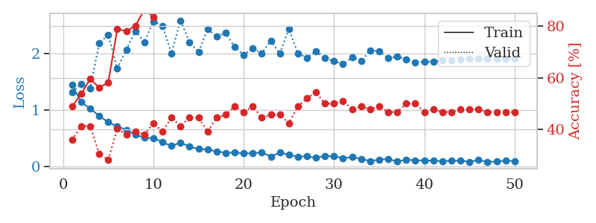
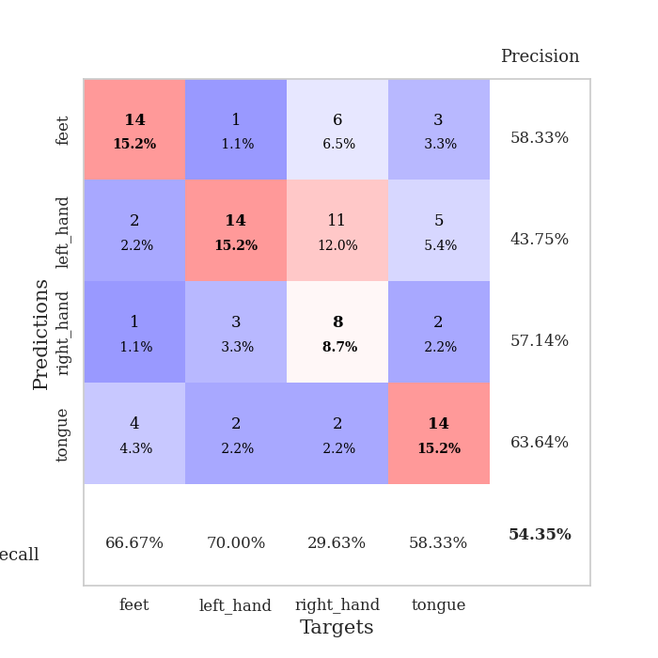
train_loss | valid_loss | train_accuracy | valid_accuracy | dur | train_misclass | valid_misclass
1.4482785412 | 1.3160723655 | 0.48913043478 | 0.35869565217 | 0.083934783936 | 48.913043478 | 35.869565217
1.1412280902 | 1.4599732161 | 0.53804347826 | 0.41304347826 | 0.080142974854 | 53.804347826 | 41.304347826
1.0275461285 | 1.3903941538 | 0.59510869565 | 0.41304347826 | 0.079982042313 | 59.510869565 | 41.304347826
0.89726828492 | 2.1864388196 | 0.5625 | 0.30434782609 | 0.080100059509 | 56.25 | 30.434782609
0.78536307293 | 2.3363958545 | 0.58152173913 | 0.28260869565 | 0.080244779587 | 58.152173913 | 28.260869565
0.71124905283 | 1.7390936095 | 0.79076086957 | 0.40217391304 | 0.080394506454 | 79.076086957 | 40.217391304
0.65198711468 | 2.0753719807 | 0.77989130435 | 0.38043478261 | 0.080474376678 | 77.989130435 | 38.043478261
0.56111031123 | 2.3985541281 | 0.80163043478 | 0.39130434783 | 0.080444812775 | 80.163043478 | 39.130434783
0.51371908058 | 2.2050952082 | 0.86413043478 | 0.38043478261 | 0.08024597168 | 86.413043478 | 38.043478261
0.50330839857 | 2.5743551565 | 0.83695652174 | 0.42391304348 | 0.08016705513 | 83.695652174 | 42.391304348
0.43332892008 | 2.4915579506 | 0.91032608696 | 0.39130434783 | 0.080140352249 | 91.032608696 | 39.130434783
0.36401228931 | 2.0088423128 | 0.95923913043 | 0.44565217391 | 0.079912662506 | 95.923913043 | 44.565217391
0.42602921893 | 2.5894662816 | 0.88858695652 | 0.41304347826 | 0.080430984497 | 88.858695652 | 41.304347826
0.3530749413 | 2.2073803674 | 0.94565217391 | 0.44565217391 | 0.080043554306 | 94.565217391 | 44.565217391
0.31328732747 | 2.0283272163 | 0.97554347826 | 0.44565217391 | 0.080493927002 | 97.554347826 | 44.565217391
0.29986877707 | 2.4402975725 | 0.95380434783 | 0.39130434783 | 0.080661773682 | 95.380434783 | 39.130434783
0.27066930319 | 2.3006139735 | 0.97010869565 | 0.44565217391 | 0.0804708004 | 97.010869565 | 44.565217391
0.24340398577 | 2.370064725 | 0.95108695652 | 0.45652173913 | 0.080626010895 | 95.108695652 | 45.652173913
0.24928146406 | 2.1188121153 | 0.98641304348 | 0.48913043478 | 0.080728054047 | 98.641304348 | 48.913043478
0.23353227843 | 1.9836145691 | 0.98097826087 | 0.46739130435 | 0.080591917038 | 98.097826087 | 46.739130435
0.23496751811 | 2.0948166847 | 0.98913043478 | 0.48913043478 | 0.080302238464 | 98.913043478 | 48.913043478
0.25409459306 | 2.0086519511 | 0.9972826087 | 0.44565217391 | 0.080670118332 | 99.72826087 | 44.565217391
0.17670049632 | 2.2316814402 | 0.99456521739 | 0.45652173913 | 0.080572366714 | 99.456521739 | 45.652173913
0.24646221198 | 2.0007200137 | 0.99456521739 | 0.45652173913 | 0.080651521683 | 99.456521739 | 45.652173913
0.21188312688 | 2.4436835621 | 0.99184782609 | 0.42391304348 | 0.080764293671 | 99.184782609 | 42.391304348
0.17334604976 | 2.0021345615 | 0.9972826087 | 0.48913043478 | 0.080817222595 | 99.72826087 | 48.913043478
0.18286891209 | 1.9293105188 | 0.9972826087 | 0.52173913043 | 0.080388784409 | 99.72826087 | 52.173913043
0.15384356694 | 2.0423359456 | 1 | 0.54347826087 | 0.080710887909 | 100 | 54.347826087
0.18624227202 | 1.9190441422 | 0.99456521739 | 0.5 | 0.080713510513 | 99.456521739 | 50
0.18309101398 | 1.871484912 | 1 | 0.5 | 0.080286026001 | 100 | 50
0.14711353094 | 1.8137364595 | 1 | 0.51086956522 | 0.080580949783 | 100 | 51.086956522
0.1678484905 | 1.9320903757 | 1 | 0.47826086957 | 0.080527305603 | 100 | 47.826086957
0.13575092897 | 1.8679350563 | 1 | 0.48913043478 | 0.080678224564 | 100 | 48.913043478
0.098159463833 | 2.057891317 | 1 | 0.47826086957 | 0.08037686348 | 100 | 47.826086957
0.12248682717 | 2.0435565762 | 1 | 0.48913043478 | 0.080516338348 | 100 | 48.913043478
0.13634434472 | 1.9212891123 | 1 | 0.46739130435 | 0.08038687706 | 100 | 46.739130435
0.087807915133 | 1.9485618861 | 1 | 0.46739130435 | 0.080662727356 | 100 | 46.739130435
0.12573084025 | 1.8993747027 | 1 | 0.5 | 0.080638647079 | 100 | 50
0.10812798985 | 1.8445159974 | 1 | 0.5 | 0.080282688141 | 100 | 50
0.11137093223 | 1.8569740731 | 1 | 0.46739130435 | 0.080367326736 | 100 | 46.739130435
0.10182310665 | 1.8591677106 | 1 | 0.47826086957 | 0.0806016922 | 100 | 47.826086957
0.097585064723 | 1.8851717659 | 1 | 0.46739130435 | 0.080503463745 | 100 | 46.739130435
0.10063843048 | 1.8857866059 | 1 | 0.46739130435 | 0.080575942993 | 100 | 46.739130435
0.10810875261 | 1.8969268902 | 1 | 0.47826086957 | 0.080556154251 | 100 | 47.826086957
0.083899838688 | 1.9063019234 | 1 | 0.47826086957 | 0.080312252045 | 100 | 47.826086957
0.11766141208 | 1.905180278 | 1 | 0.47826086957 | 0.080552577972 | 100 | 47.826086957
0.083628894518 | 1.9067856851 | 1 | 0.46739130435 | 0.080638885498 | 100 | 46.739130435
0.089289411012 | 1.9080257208 | 1 | 0.46739130435 | 0.080594539642 | 100 | 46.739130435
0.10155382987 | 1.9089524331 | 1 | 0.46739130435 | 0.080824136734 | 100 | 46.739130435
0.097564233305 | 1.9100779865 | 1 | 0.46739130435 | 0.081034898758 | 100 | 46.739130435

Best Val accuracy is 0.5434782608695652 and Best test accuracy is 0.5172413793103449

