Sheet
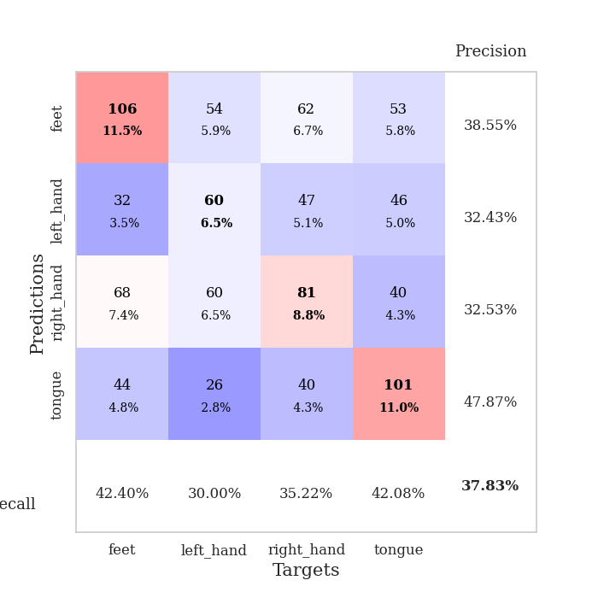
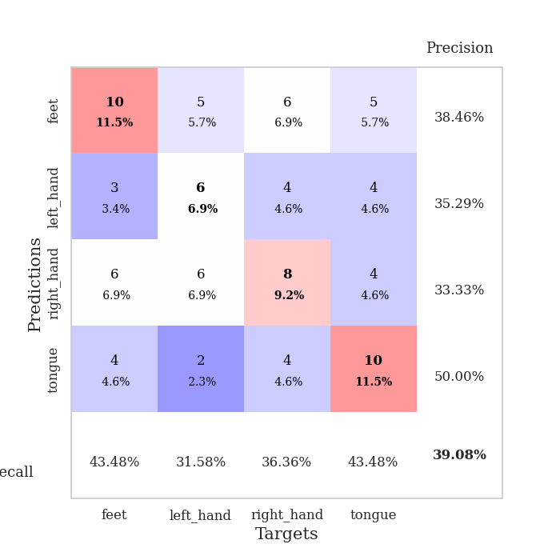
best_val_acc | best_val_los | best_test_acc
0.38043478261 | 1.6785327611 | 0.37931034483
0.35869565217 | 1.4839523616 | 0.34482758621
0.38043478261 | 1.5248914387 | 0.36206896552
0.33695652174 | 1.4730866629 | 0.36206896552
0.36956521739 | 1.4994207413 | 0.27586206897
0.39130434783 | 1.535513458 | 0.3275862069
0.45652173913 | 1.5898407076 | 0.37931034483
0.38043478261 | 1.4796963619 | 0.37931034483
0.33695652174 | 1.6559930522 | 0.37931034483
0.39130434783 | 1.493778887 | 0.37931034483

Mean,std Val accuracy is 0.3782608695652174 , 0.033911185382021994 and mean, std test accuracy is 0.3568965517241379 , 0.033560462806106736

Sheet1
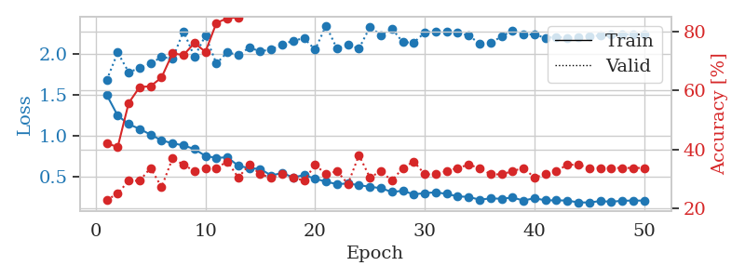
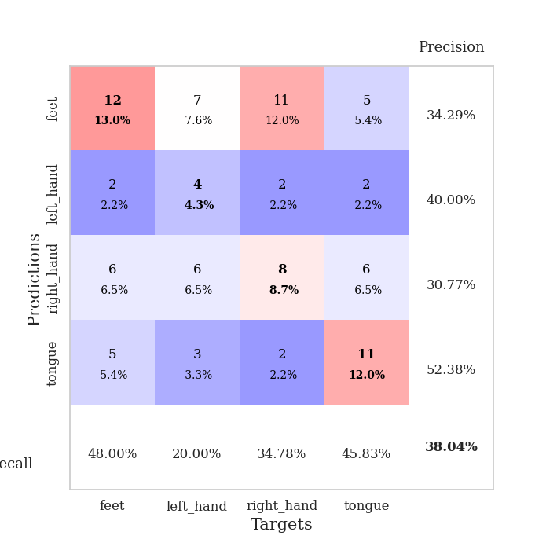
train_loss | valid_loss | train_accuracy | valid_accuracy | dur | train_misclass | valid_misclass
1.498830759 | 1.6785327611 | 0.42119565217 | 0.22826086957 | 0.081410884857 | 42.119565217 | 22.826086957
1.2475974534 | 2.0139283616 | 0.40760869565 | 0.25 | 0.080884456635 | 40.760869565 | 25
1.1441680556 | 1.7758178504 | 0.55706521739 | 0.29347826087 | 0.080734014511 | 55.706521739 | 29.347826087
1.0856051808 | 1.8239572152 | 0.61141304348 | 0.29347826087 | 0.079724788666 | 61.141304348 | 29.347826087
1.0161427156 | 1.8788771992 | 0.61413043478 | 0.33695652174 | 0.080122947693 | 61.413043478 | 33.695652174
0.94667152736 | 1.9610398489 | 0.64402173913 | 0.27173913043 | 0.080503940582 | 64.402173913 | 27.173913043
0.91130502846 | 1.9375032083 | 0.72554347826 | 0.36956521739 | 0.080787658691 | 72.554347826 | 36.956521739
0.88550425353 | 2.2729350899 | 0.72010869565 | 0.34782608696 | 0.095506906509 | 72.010869565 | 34.782608696
0.84112797872 | 1.9620437518 | 0.76086956522 | 0.32608695652 | 0.090243816376 | 76.086956522 | 32.608695652
0.7570527481 | 2.2192254792 | 0.73097826087 | 0.33695652174 | 0.080425977707 | 73.097826087 | 33.695652174
0.73422653779 | 1.8792361643 | 0.82880434783 | 0.33695652174 | 0.080139398575 | 82.880434783 | 33.695652174
0.74139382139 | 2.0180907301 | 0.84510869565 | 0.35869565217 | 0.080123662949 | 84.510869565 | 35.869565217
0.6376507658 | 1.9817131032 | 0.84782608696 | 0.30434782609 | 0.080113887787 | 84.782608696 | 30.434782609
0.60973519216 | 2.0733266706 | 0.8777173913 | 0.34782608696 | 0.080429792404 | 87.77173913 | 34.782608696
0.59904520149 | 2.0281955418 | 0.92119565217 | 0.3152173913 | 0.080107212067 | 92.119565217 | 31.52173913
0.51994413461 | 2.0519359889 | 0.90760869565 | 0.30434782609 | 0.080285072327 | 90.760869565 | 30.434782609
0.55108248669 | 2.1055584783 | 0.9402173913 | 0.3152173913 | 0.082005500793 | 94.02173913 | 31.52173913
0.4965408723 | 2.1600753328 | 0.9347826087 | 0.30434782609 | 0.080062389374 | 93.47826087 | 30.434782609
0.52535657196 | 2.1851409829 | 0.9402173913 | 0.29347826087 | 0.080068826675 | 94.02173913 | 29.347826087
0.48160122918 | 2.0494216421 | 0.96739130435 | 0.34782608696 | 0.080248832703 | 96.739130435 | 34.782608696
0.44408419793 | 2.3411181906 | 0.96467391304 | 0.3152173913 | 0.080950975418 | 96.467391304 | 31.52173913
0.41490572173 | 2.0592023134 | 0.98369565217 | 0.32608695652 | 0.080679893494 | 98.369565217 | 32.608695652
0.42332002715 | 2.1111625329 | 0.96739130435 | 0.28260869565 | 0.080624103546 | 96.739130435 | 28.260869565
0.40217013851 | 2.0603826305 | 0.96739130435 | 0.38043478261 | 0.080693244934 | 96.739130435 | 38.043478261
0.38306185279 | 2.3237906435 | 0.97282608696 | 0.30434782609 | 0.080939292908 | 97.282608696 | 30.434782609
0.36625119331 | 2.2261032851 | 0.98913043478 | 0.32608695652 | 0.080607175827 | 98.913043478 | 32.608695652
0.32009413774 | 2.3061150261 | 0.98097826087 | 0.29347826087 | 0.080609083176 | 98.097826087 | 29.347826087
0.33417075937 | 2.1389646271 | 0.99184782609 | 0.33695652174 | 0.080701589584 | 99.184782609 | 33.695652174
0.29073597296 | 2.1345665507 | 0.98097826087 | 0.35869565217 | 0.080570459366 | 98.097826087 | 35.869565217
0.30629202173 | 2.2568458267 | 1 | 0.3152173913 | 0.080602645874 | 100 | 31.52173913
0.31565771317 | 2.2723249715 | 0.99456521739 | 0.3152173913 | 0.080673933029 | 99.456521739 | 31.52173913
0.29662336733 | 2.2729228372 | 1 | 0.32608695652 | 0.080542087555 | 100 | 32.608695652
0.26593491241 | 2.2609158236 | 1 | 0.33695652174 | 0.08058142662 | 100 | 33.695652174
0.26021455585 | 2.2184858374 | 0.9972826087 | 0.34782608696 | 0.080827474594 | 99.72826087 | 34.782608696
0.22589160502 | 2.1254255875 | 0.9972826087 | 0.33695652174 | 0.080684900284 | 99.72826087 | 33.695652174
0.24175743111 | 2.1301247089 | 0.9972826087 | 0.3152173913 | 0.080588579178 | 99.72826087 | 31.52173913
0.23755282002 | 2.2081669725 | 1 | 0.3152173913 | 0.080675125122 | 100 | 31.52173913
0.25265199464 | 2.2810121516 | 1 | 0.32608695652 | 0.080878973007 | 100 | 32.608695652
0.21537727215 | 2.239001979 | 1 | 0.33695652174 | 0.080713033676 | 100 | 33.695652174
0.24458292904 | 2.231030205 | 1 | 0.30434782609 | 0.080639839172 | 100 | 30.434782609
0.21780438754 | 2.1932467378 | 1 | 0.3152173913 | 0.080606937408 | 100 | 31.52173913
0.21822154036 | 2.203077337 | 1 | 0.32608695652 | 0.080698013306 | 100 | 32.608695652
0.21547389937 | 2.1915788858 | 1 | 0.34782608696 | 0.080680608749 | 100 | 34.782608696
0.19326368169 | 2.2017647961 | 1 | 0.34782608696 | 0.080567598343 | 100 | 34.782608696
0.19190489306 | 2.2104017216 | 1 | 0.33695652174 | 0.080543518066 | 100 | 33.695652174
0.20945904226 | 2.2209409631 | 1 | 0.33695652174 | 0.080585479736 | 100 | 33.695652174
0.20102035287 | 2.2293420978 | 1 | 0.33695652174 | 0.080813884735 | 100 | 33.695652174
0.21306198026 | 2.2330215185 | 1 | 0.33695652174 | 0.080669403076 | 100 | 33.695652174
0.21589661001 | 2.2368595082 | 1 | 0.33695652174 | 0.080767631531 | 100 | 33.695652174
0.21461370587 | 2.2389451524 | 1 | 0.33695652174 | 0.080659627914 | 100 | 33.695652174

Best Val accuracy is 0.3804347826086957 and Best test accuracy is 0.3793103448275862

Sheet2
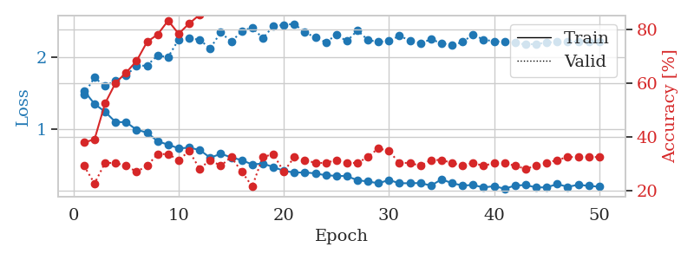
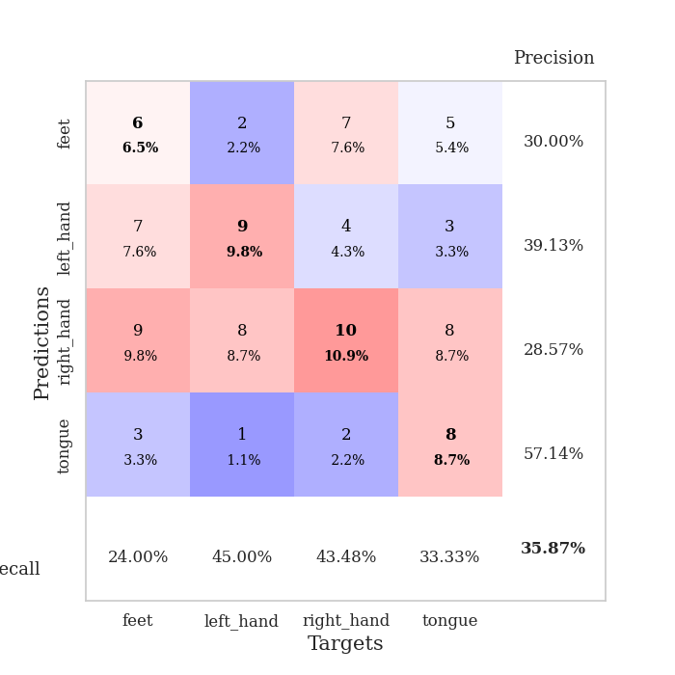
train_loss | valid_loss | train_accuracy | valid_accuracy | dur | train_misclass | valid_misclass
1.5311478117 | 1.4839523616 | 0.38043478261 | 0.29347826087 | 0.080853939056 | 38.043478261 | 29.347826087
1.3472229553 | 1.7130018473 | 0.39130434783 | 0.22826086957 | 0.080718278885 | 39.130434783 | 22.826086957
1.2400646935 | 1.5928153007 | 0.52445652174 | 0.30434782609 | 0.080560922623 | 52.445652174 | 30.434782609
1.0966842641 | 1.6720228817 | 0.60054347826 | 0.30434782609 | 0.080285787582 | 60.054347826 | 30.434782609
1.0955810314 | 1.7477572483 | 0.63858695652 | 0.29347826087 | 0.080222129822 | 63.858695652 | 29.347826087
0.9894476196 | 1.8708000961 | 0.68206521739 | 0.27173913043 | 0.08061003685 | 68.206521739 | 27.173913043
0.95152654078 | 1.8805316998 | 0.7527173913 | 0.29347826087 | 0.080631732941 | 75.27173913 | 29.347826087
0.83042355724 | 2.0180888642 | 0.77989130435 | 0.33695652174 | 0.080647230148 | 77.989130435 | 33.695652174
0.78373872975 | 1.9960776412 | 0.83152173913 | 0.33695652174 | 0.08074426651 | 83.152173913 | 33.695652174
0.73351925482 | 2.2397700704 | 0.78260869565 | 0.3152173913 | 0.080676555634 | 78.260869565 | 31.52173913
0.7411963849 | 2.2597372998 | 0.82065217391 | 0.34782608696 | 0.080651760101 | 82.065217391 | 34.782608696
0.71111385589 | 2.2349141629 | 0.85326086957 | 0.28260869565 | 0.080757141113 | 85.326086957 | 28.260869565
0.60269911263 | 2.1170011189 | 0.89402173913 | 0.3152173913 | 0.080689907074 | 89.402173913 | 31.52173913
0.65705476248 | 2.3385552583 | 0.88858695652 | 0.29347826087 | 0.080719470978 | 88.858695652 | 29.347826087
0.60853613848 | 2.2086385696 | 0.88043478261 | 0.32608695652 | 0.080761432648 | 88.043478261 | 32.608695652
0.56895798833 | 2.3533236566 | 0.90489130435 | 0.27173913043 | 0.080622911453 | 90.489130435 | 27.173913043
0.50973128041 | 2.4083230288 | 0.92391304348 | 0.21739130435 | 0.080688476562 | 92.391304348 | 21.739130435
0.52205728254 | 2.2573857048 | 0.96467391304 | 0.32608695652 | 0.080639362335 | 96.467391304 | 32.608695652
0.47438608823 | 2.4237724646 | 0.95108695652 | 0.33695652174 | 0.080623865128 | 95.108695652 | 33.695652174
0.42099588073 | 2.4423653457 | 0.94836956522 | 0.27173913043 | 0.080603122711 | 94.836956522 | 27.173913043
0.39760055296 | 2.4566482046 | 0.92663043478 | 0.32608695652 | 0.080668449402 | 92.663043478 | 32.608695652
0.39875762683 | 2.336999038 | 0.95108695652 | 0.3152173913 | 0.080638170242 | 95.108695652 | 31.52173913
0.38641245566 | 2.2716190556 | 0.97282608696 | 0.30434782609 | 0.080691099167 | 97.282608696 | 30.434782609
0.35897653388 | 2.1997038437 | 0.97282608696 | 0.30434782609 | 0.080804109573 | 97.282608696 | 30.434782609
0.35214053159 | 2.3050895618 | 0.97010869565 | 0.3152173913 | 0.08062505722 | 97.010869565 | 31.52173913
0.3481378633 | 2.2171661957 | 0.99456521739 | 0.30434782609 | 0.080762863159 | 99.456521739 | 30.434782609
0.29158125429 | 2.3654571253 | 0.97010869565 | 0.30434782609 | 0.080786943436 | 97.010869565 | 30.434782609
0.27380548677 | 2.2334614163 | 0.99456521739 | 0.32608695652 | 0.080613613129 | 99.456521739 | 32.608695652
0.24915747442 | 2.2052639256 | 0.9972826087 | 0.35869565217 | 0.08083486557 | 99.72826087 | 35.869565217
0.2943354675 | 2.2206740587 | 1 | 0.34782608696 | 0.080994844437 | 100 | 34.782608696
0.24884042921 | 2.2908127671 | 0.9972826087 | 0.30434782609 | 0.080781698227 | 99.72826087 | 30.434782609
0.25016237828 | 2.2246341343 | 1 | 0.30434782609 | 0.080465555191 | 100 | 30.434782609
0.2519409297 | 2.1897048587 | 1 | 0.29347826087 | 0.080787658691 | 100 | 29.347826087
0.21679929482 | 2.2410755106 | 1 | 0.3152173913 | 0.080847024918 | 100 | 31.52173913
0.30382309498 | 2.189631177 | 1 | 0.3152173913 | 0.080780029297 | 100 | 31.52173913
0.25045624181 | 2.1574685625 | 1 | 0.30434782609 | 0.080755710602 | 100 | 30.434782609
0.21803855945 | 2.2054313318 | 1 | 0.29347826087 | 0.08082818985 | 100 | 29.347826087
0.22489368203 | 2.3077177794 | 0.9972826087 | 0.30434782609 | 0.081565380096 | 99.72826087 | 30.434782609
0.1913325968 | 2.2375257378 | 1 | 0.29347826087 | 0.082187175751 | 100 | 29.347826087
0.20910675305 | 2.214879632 | 1 | 0.30434782609 | 0.081374883652 | 100 | 30.434782609
0.17369135971 | 2.2098622322 | 1 | 0.30434782609 | 0.081161499023 | 100 | 30.434782609
0.21735271488 | 2.1935322337 | 1 | 0.29347826087 | 0.081195116043 | 100 | 29.347826087
0.22518224285 | 2.1710240374 | 1 | 0.28260869565 | 0.081112623215 | 100 | 28.260869565
0.19091034907 | 2.1784864301 | 1 | 0.29347826087 | 0.080990314484 | 100 | 29.347826087
0.19322950555 | 2.1958248045 | 1 | 0.30434782609 | 0.080778598785 | 100 | 30.434782609
0.23712112431 | 2.2095764253 | 1 | 0.3152173913 | 0.080919981003 | 100 | 31.52173913
0.20008983657 | 2.2100849411 | 1 | 0.32608695652 | 0.080982446671 | 100 | 32.608695652
0.22789496507 | 2.2097793714 | 1 | 0.32608695652 | 0.080995798111 | 100 | 32.608695652
0.21336256745 | 2.2107995023 | 1 | 0.32608695652 | 0.081007242203 | 100 | 32.608695652
0.20096654283 | 2.2106916231 | 1 | 0.32608695652 | 0.081070184708 | 100 | 32.608695652

Best Val accuracy is 0.358695652173913 and Best test accuracy is 0.3448275862068966

Sheet3
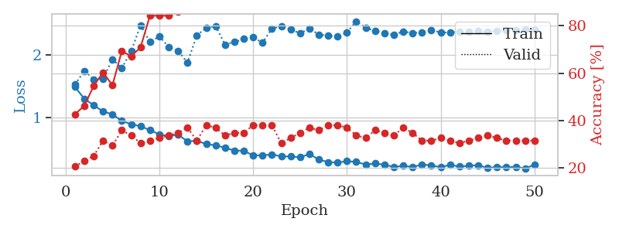
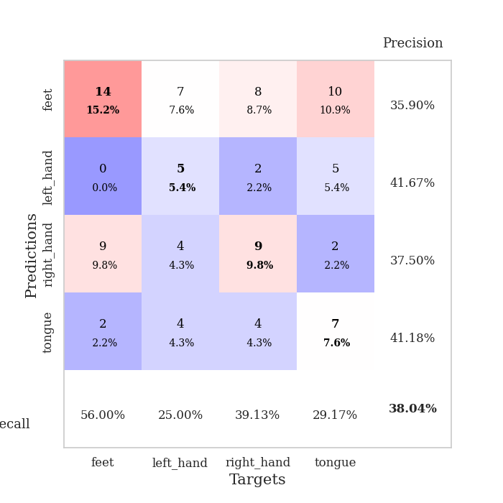
train_loss | valid_loss | train_accuracy | valid_accuracy | dur | train_misclass | valid_misclass
1.4854918822 | 1.5248914387 | 0.42663043478 | 0.20652173913 | 0.081604003906 | 42.663043478 | 20.652173913
1.2974789894 | 1.7415463251 | 0.46195652174 | 0.22826086957 | 0.080688714981 | 46.195652174 | 22.826086957
1.1929508188 | 1.6087103719 | 0.54619565217 | 0.25 | 0.081384658813 | 54.619565217 | 25
1.093107918 | 1.6206875884 | 0.60326086957 | 0.3152173913 | 0.081185102463 | 60.326086957 | 31.52173913
1.0483183472 | 1.9306484254 | 0.54891304348 | 0.29347826087 | 0.080842733383 | 54.891304348 | 29.347826087
0.94033011405 | 1.7886896704 | 0.69293478261 | 0.35869565217 | 0.081225395203 | 69.293478261 | 35.869565217
0.88866825467 | 2.0575821659 | 0.67119565217 | 0.33695652174 | 0.080935001373 | 67.119565217 | 33.695652174
0.85694792219 | 2.47688224 | 0.70923913043 | 0.30434782609 | 0.080853700638 | 70.923913043 | 30.434782609
0.79391099577 | 2.2069031778 | 0.84239130435 | 0.3152173913 | 0.080857992172 | 84.239130435 | 31.52173913
0.72617467072 | 2.2950639414 | 0.84239130435 | 0.32608695652 | 0.08078122139 | 84.239130435 | 32.608695652
0.69864061475 | 2.1288656048 | 0.84239130435 | 0.33695652174 | 0.081005334854 | 84.239130435 | 33.695652174
0.72193307073 | 2.0665677475 | 0.85869565217 | 0.34782608696 | 0.081077337265 | 85.869565217 | 34.782608696
0.61332290976 | 1.8769041818 | 0.90489130435 | 0.36956521739 | 0.080930233002 | 90.489130435 | 36.956521739
0.62386268766 | 2.3128191699 | 0.90489130435 | 0.3152173913 | 0.081023216248 | 90.489130435 | 31.52173913
0.56972952511 | 2.4342693868 | 0.89402173913 | 0.38043478261 | 0.080955266953 | 89.402173913 | 38.043478261
0.55121386958 | 2.4616272346 | 0.91847826087 | 0.36956521739 | 0.08139538765 | 91.847826087 | 36.956521739
0.51120502275 | 2.1666507047 | 0.96467391304 | 0.33695652174 | 0.080996513367 | 96.467391304 | 33.695652174
0.46644747322 | 2.2050127879 | 0.94565217391 | 0.34782608696 | 0.081131219864 | 94.565217391 | 34.782608696
0.4636707578 | 2.2564956364 | 0.97010869565 | 0.34782608696 | 0.08097076416 | 97.010869565 | 34.782608696
0.3878587912 | 2.2796397624 | 0.96195652174 | 0.38043478261 | 0.080919742584 | 96.195652174 | 38.043478261
0.39122283264 | 2.1969929104 | 0.98369565217 | 0.38043478261 | 0.081053495407 | 98.369565217 | 38.043478261
0.40445964103 | 2.4187938804 | 0.97826086957 | 0.38043478261 | 0.080591917038 | 97.826086957 | 38.043478261
0.37281237607 | 2.4607370263 | 0.95652173913 | 0.30434782609 | 0.080386161804 | 95.652173913 | 30.434782609
0.37148064893 | 2.409732886 | 0.97826086957 | 0.32608695652 | 0.080941200256 | 97.826086957 | 32.608695652
0.35887803137 | 2.3453962699 | 0.97010869565 | 0.34782608696 | 0.080973148346 | 97.010869565 | 34.782608696
0.40988432454 | 2.4198119485 | 0.98369565217 | 0.36956521739 | 0.081156015396 | 98.369565217 | 36.956521739
0.32368810248 | 2.3280192043 | 0.99456521739 | 0.35869565217 | 0.081151247025 | 99.456521739 | 35.869565217
0.28009282506 | 2.3074048084 | 0.99456521739 | 0.38043478261 | 0.08123588562 | 99.456521739 | 38.043478261
0.27444290273 | 2.2987451605 | 1 | 0.38043478261 | 0.08117723465 | 100 | 38.043478261
0.29565164317 | 2.3589993093 | 0.99456521739 | 0.36956521739 | 0.081143379211 | 99.456521739 | 36.956521739
0.28376801701 | 2.5388162343 | 0.98913043478 | 0.33695652174 | 0.081243991852 | 98.913043478 | 33.695652174
0.24222519087 | 2.4371021571 | 0.9972826087 | 0.32608695652 | 0.081212759018 | 99.72826087 | 32.608695652
0.25941981116 | 2.3829290556 | 0.99456521739 | 0.35869565217 | 0.081114768982 | 99.456521739 | 35.869565217
0.23871639533 | 2.3504992102 | 0.9972826087 | 0.34782608696 | 0.081228733063 | 99.72826087 | 34.782608696
0.20415726369 | 2.3241238179 | 0.9972826087 | 0.33695652174 | 0.080911397934 | 99.72826087 | 33.695652174
0.22187202877 | 2.3727322869 | 1 | 0.36956521739 | 0.080676317215 | 100 | 36.956521739
0.20250320337 | 2.3526831969 | 0.9972826087 | 0.34782608696 | 0.081102609634 | 99.72826087 | 34.782608696
0.24224748365 | 2.3647995358 | 1 | 0.3152173913 | 0.081223964691 | 100 | 31.52173913
0.22891860067 | 2.3979159853 | 1 | 0.3152173913 | 0.081104516983 | 100 | 31.52173913
0.1990938598 | 2.3582892625 | 1 | 0.32608695652 | 0.080913066864 | 100 | 32.608695652
0.23869466004 | 2.3593040964 | 1 | 0.3152173913 | 0.081129074097 | 100 | 31.52173913
0.20844103785 | 2.3720777605 | 1 | 0.30434782609 | 0.080971717834 | 100 | 30.434782609
0.22230389358 | 2.3768899596 | 1 | 0.3152173913 | 0.081143379211 | 100 | 31.52173913
0.23254791582 | 2.382139294 | 1 | 0.32608695652 | 0.081184625626 | 100 | 32.608695652
0.18739951912 | 2.3736768028 | 1 | 0.33695652174 | 0.081345319748 | 100 | 33.695652174
0.20432474982 | 2.3832816611 | 1 | 0.32608695652 | 0.081101179123 | 100 | 32.608695652
0.19750232055 | 2.3945317735 | 1 | 0.3152173913 | 0.081011772156 | 100 | 31.52173913
0.20504991872 | 2.40119776 | 1 | 0.3152173913 | 0.081022977829 | 100 | 31.52173913
0.18050812314 | 2.404825563 | 1 | 0.3152173913 | 0.081147432327 | 100 | 31.52173913
0.24009785672 | 2.4072504303 | 1 | 0.3152173913 | 0.081258296967 | 100 | 31.52173913

Best Val accuracy is 0.3804347826086957 and Best test accuracy is 0.3620689655172414

Sheet4
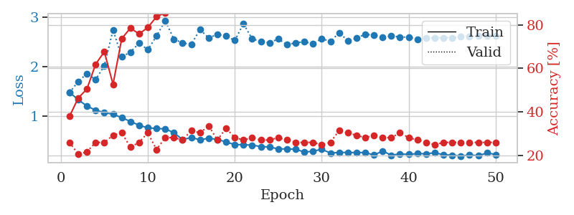
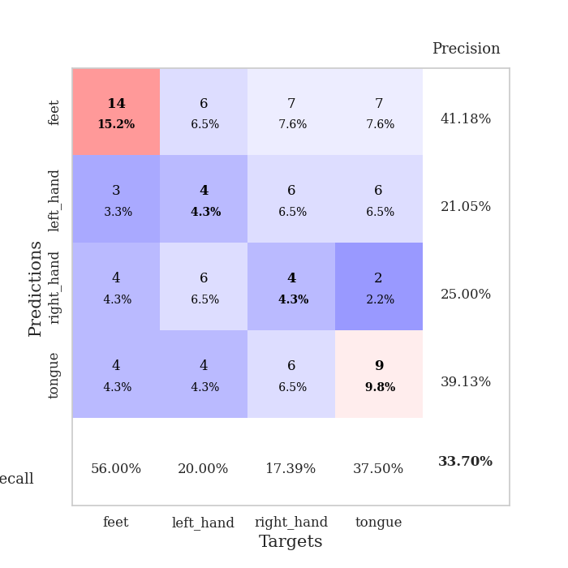
train_loss | valid_loss | train_accuracy | valid_accuracy | dur | train_misclass | valid_misclass
1.4791764073 | 1.4730866629 | 0.38043478261 | 0.26086956522 | 0.081589460373 | 38.043478261 | 26.086956522
1.3254005546 | 1.6998348599 | 0.46467391304 | 0.20652173913 | 0.080606460571 | 46.467391304 | 20.652173913
1.198364885 | 1.8591695713 | 0.50543478261 | 0.21739130435 | 0.080550193787 | 50.543478261 | 21.739130435
1.1139703523 | 1.7357623111 | 0.61956521739 | 0.26086956522 | 0.080497503281 | 61.956521739 | 26.086956522
1.0655563059 | 2.019886447 | 0.67663043478 | 0.26086956522 | 0.0804708004 | 67.663043478 | 26.086956522
1.0320027963 | 2.7471044686 | 0.52717391304 | 0.29347826087 | 0.080677986145 | 52.717391304 | 29.347826087
0.96300151555 | 2.2005904498 | 0.73641304348 | 0.30434782609 | 0.080944538116 | 73.641304348 | 30.434782609
0.88406740323 | 2.2960035749 | 0.78532608696 | 0.23913043478 | 0.081028699875 | 78.532608696 | 23.913043478
0.80861520249 | 2.4794216882 | 0.75815217391 | 0.26086956522 | 0.080744981766 | 75.815217391 | 26.086956522
0.75413177065 | 2.3440291571 | 0.78804347826 | 0.30434782609 | 0.080901145935 | 78.804347826 | 30.434782609
0.74286630491 | 2.6230159946 | 0.83695652174 | 0.22826086957 | 0.080375909805 | 83.695652174 | 22.826086957
0.73322362874 | 2.9352597672 | 0.85597826087 | 0.28260869565 | 0.080759048462 | 85.597826087 | 28.260869565
0.65633936939 | 2.5608636089 | 0.89402173913 | 0.28260869565 | 0.081053733826 | 89.402173913 | 28.260869565
0.51597993076 | 2.4815793348 | 0.91032608696 | 0.27173913043 | 0.080950737 | 91.032608696 | 27.173913043
0.55829313009 | 2.4552770594 | 0.92119565217 | 0.3152173913 | 0.081036806107 | 92.119565217 | 31.52173913
0.51213983608 | 2.7557058594 | 0.91032608696 | 0.30434782609 | 0.081150054932 | 91.032608696 | 30.434782609
0.54295400303 | 2.5823983213 | 0.93206521739 | 0.33695652174 | 0.083345651627 | 93.206521739 | 33.695652174
0.51977914377 | 2.6588186285 | 0.9375 | 0.27173913043 | 0.081959724426 | 93.75 | 27.173913043
0.46812991668 | 2.6215402354 | 0.95108695652 | 0.32608695652 | 0.081097841263 | 95.108695652 | 32.608695652
0.41385171012 | 2.5333748589 | 0.97554347826 | 0.28260869565 | 0.080858707428 | 97.554347826 | 28.260869565
0.41186596583 | 2.8749389752 | 0.91576086957 | 0.27173913043 | 0.080691576004 | 91.576086957 | 27.173913043
0.40258933733 | 2.5629002633 | 0.98913043478 | 0.28260869565 | 0.08075428009 | 98.913043478 | 28.260869565
0.3741601252 | 2.516394356 | 0.97826086957 | 0.27173913043 | 0.080958127975 | 97.826086957 | 27.173913043
0.36497265165 | 2.4851454963 | 0.9972826087 | 0.27173913043 | 0.081109762192 | 99.72826087 | 27.173913043
0.32718098488 | 2.5665212403 | 0.98369565217 | 0.28260869565 | 0.080957174301 | 98.369565217 | 28.260869565
0.32592279496 | 2.4465558114 | 0.99184782609 | 0.27173913043 | 0.080852508545 | 99.184782609 | 27.173913043
0.32059154919 | 2.4856053124 | 0.99184782609 | 0.26086956522 | 0.080925941467 | 99.184782609 | 26.086956522
0.26139583082 | 2.504437146 | 0.99184782609 | 0.26086956522 | 0.081056833267 | 99.184782609 | 26.086956522
0.27896572066 | 2.4670394711 | 0.9972826087 | 0.26086956522 | 0.081092834473 | 99.72826087 | 26.086956522
0.31976960826 | 2.5728625007 | 0.99456521739 | 0.25 | 0.08091378212 | 99.456521739 | 25
0.24160125495 | 2.5108683939 | 0.99456521739 | 0.26086956522 | 0.083432912827 | 99.456521739 | 26.086956522
0.25464167511 | 2.6898906749 | 0.99456521739 | 0.3152173913 | 0.080511808395 | 99.456521739 | 31.52173913
0.25505072154 | 2.5299879468 | 0.99456521739 | 0.30434782609 | 0.083257675171 | 99.456521739 | 30.434782609
0.2518726001 | 2.5793465013 | 1 | 0.29347826087 | 0.080382823944 | 100 | 29.347826087
0.25317328488 | 2.6620976718 | 1 | 0.28260869565 | 0.080392122269 | 100 | 28.260869565
0.20172429263 | 2.6365603053 | 0.9972826087 | 0.29347826087 | 0.08038687706 | 99.72826087 | 29.347826087
0.28377437365 | 2.6030600175 | 1 | 0.28260869565 | 0.080825090408 | 100 | 28.260869565
0.19853487643 | 2.6237459701 | 1 | 0.28260869565 | 0.08304142952 | 100 | 28.260869565
0.22539985876 | 2.6036310714 | 0.9972826087 | 0.30434782609 | 0.080651521683 | 99.72826087 | 30.434782609
0.21435238162 | 2.5997076138 | 1 | 0.28260869565 | 0.080828905106 | 100 | 28.260869565
0.2313113462 | 2.5576106362 | 1 | 0.27173913043 | 0.081050634384 | 100 | 27.173913043
0.22773495705 | 2.5862343519 | 1 | 0.26086956522 | 0.08079957962 | 100 | 26.086956522
0.24776130364 | 2.5855647688 | 1 | 0.25 | 0.080915927887 | 100 | 25
0.20898937061 | 2.590671135 | 1 | 0.26086956522 | 0.080839395523 | 100 | 26.086956522
0.19837197354 | 2.5901895813 | 1 | 0.26086956522 | 0.080818653107 | 100 | 26.086956522
0.18025173052 | 2.6058563046 | 1 | 0.26086956522 | 0.080895423889 | 100 | 26.086956522
0.2032400598 | 2.6171011406 | 1 | 0.26086956522 | 0.080919981003 | 100 | 26.086956522
0.18810852682 | 2.6234792108 | 1 | 0.26086956522 | 0.081082344055 | 100 | 26.086956522
0.24390421678 | 2.6266884493 | 1 | 0.26086956522 | 0.081089258194 | 100 | 26.086956522
0.21344137127 | 2.629947963 | 1 | 0.26086956522 | 0.080691814423 | 100 | 26.086956522

Best Val accuracy is 0.33695652173913043 and Best test accuracy is 0.3620689655172414

Sheet5
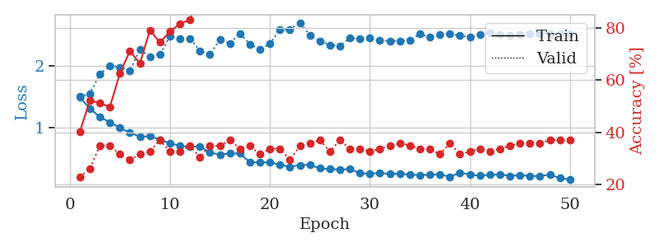
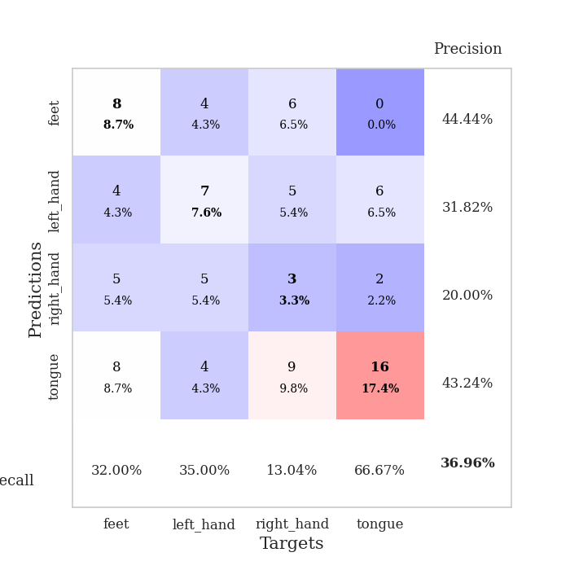
train_loss | valid_loss | train_accuracy | valid_accuracy | dur | train_misclass | valid_misclass
1.4876001296 | 1.4994207413 | 0.40217391304 | 0.22826086957 | 0.080810546875 | 40.217391304 | 22.826086957
1.3067797578 | 1.5474318421 | 0.52173913043 | 0.26086956522 | 0.082583665848 | 52.173913043 | 26.086956522
1.1695397963 | 1.866088266 | 0.51086956522 | 0.34782608696 | 0.079948425293 | 51.086956522 | 34.782608696
1.0828584588 | 2.0000409562 | 0.4972826087 | 0.34782608696 | 0.080122709274 | 49.72826087 | 34.782608696
0.99386710965 | 1.9741965999 | 0.625 | 0.3152173913 | 0.080282926559 | 62.5 | 31.52173913
0.91899442414 | 1.9165241822 | 0.71195652174 | 0.29347826087 | 0.080393075943 | 71.195652174 | 29.347826087
0.85102301318 | 2.2657712128 | 0.66304347826 | 0.3152173913 | 0.079978704453 | 66.304347826 | 31.52173913
0.85882831138 | 2.1426334692 | 0.79076086957 | 0.32608695652 | 0.080292224884 | 79.076086957 | 32.608695652
0.80377630565 | 2.182140454 | 0.74456521739 | 0.36956521739 | 0.080166101456 | 74.456521739 | 36.956521739
0.74516687575 | 2.471477664 | 0.78532608696 | 0.32608695652 | 0.079953193665 | 78.532608696 | 32.608695652
0.70555107619 | 2.4330335596 | 0.8152173913 | 0.32608695652 | 0.079911708832 | 81.52173913 | 32.608695652
0.68651247413 | 2.4406620005 | 0.83152173913 | 0.34782608696 | 0.080336093903 | 83.152173913 | 34.782608696
0.6965986866 | 2.2415108888 | 0.93206521739 | 0.30434782609 | 0.080417871475 | 93.206521739 | 30.434782609
0.59445806172 | 2.1858411561 | 0.92934782609 | 0.34782608696 | 0.080088853836 | 92.934782609 | 34.782608696
0.56362516336 | 2.4189882486 | 0.91032608696 | 0.34782608696 | 0.080118179321 | 91.032608696 | 34.782608696
0.58254112498 | 2.3605923342 | 0.9402173913 | 0.36956521739 | 0.08130812645 | 94.02173913 | 36.956521739
0.57949856831 | 2.5212102144 | 0.92391304348 | 0.33695652174 | 0.080255746841 | 92.391304348 | 33.695652174
0.43920321244 | 2.3483257605 | 0.95652173913 | 0.34782608696 | 0.082275867462 | 95.652173913 | 34.782608696
0.43688022507 | 2.2624111383 | 0.97282608696 | 0.3152173913 | 0.08021903038 | 97.282608696 | 31.52173913
0.4363331095 | 2.3509953851 | 0.96739130435 | 0.33695652174 | 0.080394268036 | 96.739130435 | 33.695652174
0.39701201993 | 2.5806140485 | 0.97282608696 | 0.33695652174 | 0.080476045609 | 97.282608696 | 33.695652174
0.36547349912 | 2.5873653992 | 0.96195652174 | 0.29347826087 | 0.080530166626 | 96.195652174 | 29.347826087
0.39223312943 | 2.6952454215 | 0.97554347826 | 0.34782608696 | 0.080474615097 | 97.554347826 | 34.782608696
0.3960694256 | 2.4917259735 | 0.98913043478 | 0.35869565217 | 0.080530166626 | 98.913043478 | 35.869565217
0.33991748095 | 2.3991078294 | 0.98913043478 | 0.36956521739 | 0.080533742905 | 98.913043478 | 36.956521739
0.32621179877 | 2.3349400085 | 0.99456521739 | 0.32608695652 | 0.080603122711 | 99.456521739 | 32.608695652
0.32038698313 | 2.3205083868 | 0.9972826087 | 0.36956521739 | 0.080616235733 | 99.72826087 | 36.956521739
0.32743617309 | 2.4508022744 | 0.98641304348 | 0.33695652174 | 0.080612659454 | 98.641304348 | 33.695652174
0.26299035355 | 2.4303736376 | 0.99456521739 | 0.33695652174 | 0.080719232559 | 99.456521739 | 33.695652174
0.25125090454 | 2.4462246377 | 0.99456521739 | 0.32608695652 | 0.080970525742 | 99.456521739 | 32.608695652
0.26547901138 | 2.4050717768 | 1 | 0.33695652174 | 0.080455780029 | 100 | 33.695652174
0.24725821258 | 2.4020297942 | 0.99456521739 | 0.34782608696 | 0.080633401871 | 99.456521739 | 34.782608696
0.25429754542 | 2.3994561693 | 0.99456521739 | 0.35869565217 | 0.081209421158 | 99.456521739 | 35.869565217
0.23485414133 | 2.4076871561 | 1 | 0.34782608696 | 0.081349134445 | 100 | 34.782608696
0.23254156145 | 2.5121541023 | 1 | 0.33695652174 | 0.080942630768 | 100 | 33.695652174
0.23380592627 | 2.4596687918 | 1 | 0.33695652174 | 0.080581188202 | 100 | 33.695652174
0.24355576025 | 2.5035961193 | 1 | 0.3152173913 | 0.080771684647 | 100 | 31.52173913
0.20146088837 | 2.5136508631 | 1 | 0.35869565217 | 0.080851078033 | 100 | 35.869565217
0.27229631433 | 2.4863991012 | 1 | 0.3152173913 | 0.080608606339 | 100 | 31.52173913
0.23706410858 | 2.4595320743 | 1 | 0.32608695652 | 0.080491542816 | 100 | 32.608695652
0.22079325176 | 2.5027743837 | 1 | 0.33695652174 | 0.08055472374 | 100 | 33.695652174
0.23527704827 | 2.5290666352 | 1 | 0.32608695652 | 0.080684185028 | 100 | 32.608695652
0.24333134358 | 2.497346225 | 1 | 0.33695652174 | 0.080702543259 | 100 | 33.695652174
0.21686667495 | 2.4862259782 | 1 | 0.34782608696 | 0.080582380295 | 100 | 34.782608696
0.23051325491 | 2.501243498 | 1 | 0.35869565217 | 0.080679178238 | 100 | 35.869565217
0.21702868718 | 2.5167047355 | 1 | 0.35869565217 | 0.080574512482 | 100 | 35.869565217
0.21389500214 | 2.5164492027 | 1 | 0.35869565217 | 0.080676078796 | 100 | 35.869565217
0.2389824886 | 2.5173314862 | 1 | 0.36956521739 | 0.080403089523 | 100 | 36.956521739
0.18013301281 | 2.5188008184 | 1 | 0.36956521739 | 0.080597639084 | 100 | 36.956521739
0.16304194182 | 2.5206952406 | 1 | 0.36956521739 | 0.08062005043 | 100 | 36.956521739

Best Val accuracy is 0.3695652173913043 and Best test accuracy is 0.27586206896551724

Sheet6
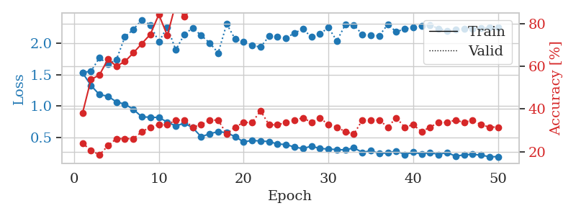
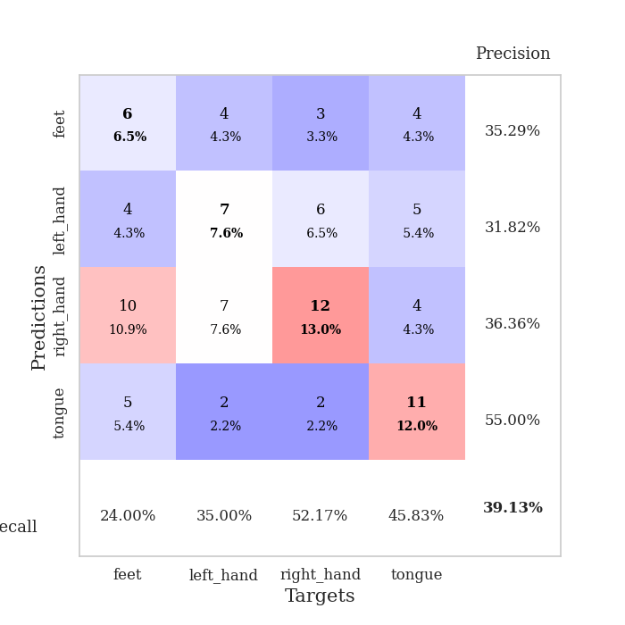
train_loss | valid_loss | train_accuracy | valid_accuracy | dur | train_misclass | valid_misclass
1.533396213 | 1.535513458 | 0.38043478261 | 0.23913043478 | 0.081281900406 | 38.043478261 | 23.913043478
1.3281600527 | 1.556469881 | 0.53804347826 | 0.20652173913 | 0.080709218979 | 53.804347826 | 20.652173913
1.1823498918 | 1.7715965354 | 0.5597826087 | 0.1847826087 | 0.08067035675 | 55.97826087 | 18.47826087
1.1574847335 | 1.6668970429 | 0.63315217391 | 0.22826086957 | 0.081550121307 | 63.315217391 | 22.826086957
1.0654399913 | 1.7425535451 | 0.60054347826 | 0.26086956522 | 0.081063985825 | 60.054347826 | 26.086956522
1.0302049855 | 2.1050819003 | 0.6222826087 | 0.26086956522 | 0.080815792084 | 62.22826087 | 26.086956522
0.94726531402 | 2.2249188423 | 0.66304347826 | 0.26086956522 | 0.080390453339 | 66.304347826 | 26.086956522
0.82593068999 | 2.3780394637 | 0.70652173913 | 0.29347826087 | 0.080459117889 | 70.652173913 | 29.347826087
0.82208811459 | 2.2961749046 | 0.75 | 0.3152173913 | 0.080968141556 | 75 | 31.52173913
0.81689825006 | 2.0257768994 | 0.84239130435 | 0.32608695652 | 0.081099510193 | 84.239130435 | 32.608695652
0.74356358466 | 2.2626453275 | 0.74456521739 | 0.32608695652 | 0.080891609192 | 74.456521739 | 32.608695652
0.68087664376 | 1.8956095706 | 0.89402173913 | 0.34782608696 | 0.080651521683 | 89.402173913 | 34.782608696
0.72730979453 | 2.1441127373 | 0.83152173913 | 0.34782608696 | 0.080990076065 | 83.152173913 | 34.782608696
0.65316415351 | 2.2485382609 | 0.8777173913 | 0.3152173913 | 0.080604076385 | 87.77173913 | 31.52173913
0.50853104565 | 2.1275669388 | 0.91032608696 | 0.32608695652 | 0.080302715302 | 91.032608696 | 32.608695652
0.55773955389 | 2.0085544742 | 0.89402173913 | 0.34782608696 | 0.08060336113 | 89.402173913 | 34.782608696
0.59054492868 | 1.8478017009 | 0.88315217391 | 0.34782608696 | 0.080904722214 | 88.315217391 | 34.782608696
0.57563434865 | 2.3112001004 | 0.91304347826 | 0.28260869565 | 0.080468416214 | 91.304347826 | 28.260869565
0.50901436935 | 2.0712475414 | 0.89402173913 | 0.3152173913 | 0.080439805984 | 89.402173913 | 31.52173913
0.4270657586 | 2.026612572 | 0.94565217391 | 0.33695652174 | 0.08057808876 | 94.565217391 | 33.695652174
0.45039590286 | 1.9687125942 | 0.97554347826 | 0.33695652174 | 0.08060836792 | 97.554347826 | 33.695652174
0.44076606696 | 1.9416831524 | 0.97282608696 | 0.39130434783 | 0.080855369568 | 97.282608696 | 39.130434783
0.43334257667 | 2.115651338 | 0.94836956522 | 0.32608695652 | 0.081403970718 | 94.836956522 | 32.608695652
0.39203103275 | 2.1110646621 | 0.96467391304 | 0.32608695652 | 0.08088684082 | 96.467391304 | 32.608695652
0.3863868059 | 2.0872365081 | 0.98641304348 | 0.33695652174 | 0.080633878708 | 98.641304348 | 33.695652174
0.34308595437 | 2.1670730218 | 0.98641304348 | 0.34782608696 | 0.080336809158 | 98.641304348 | 34.782608696
0.32104034787 | 2.2309307171 | 0.99184782609 | 0.35869565217 | 0.080310583115 | 99.184782609 | 35.869565217
0.35890833321 | 2.102389149 | 0.99184782609 | 0.33695652174 | 0.08017206192 | 99.184782609 | 33.695652174
0.32140525009 | 2.1524545421 | 0.98641304348 | 0.35869565217 | 0.080381155014 | 98.641304348 | 35.869565217
0.31346799401 | 2.2549294233 | 0.98641304348 | 0.32608695652 | 0.080485105515 | 98.641304348 | 32.608695652
0.30386026139 | 2.040835111 | 0.99184782609 | 0.3152173913 | 0.08061504364 | 99.184782609 | 31.52173913
0.29929780474 | 2.3021881529 | 0.99456521739 | 0.29347826087 | 0.080825567245 | 99.456521739 | 29.347826087
0.33128422952 | 2.2963440988 | 0.9972826087 | 0.28260869565 | 0.080735206604 | 99.72826087 | 28.260869565
0.26044055269 | 2.1421421092 | 0.9972826087 | 0.34782608696 | 0.080672502518 | 99.72826087 | 34.782608696
0.28419528642 | 2.1278983147 | 0.9972826087 | 0.34782608696 | 0.080652236938 | 99.72826087 | 34.782608696
0.2443412646 | 2.1239671344 | 1 | 0.34782608696 | 0.092495679855 | 100 | 34.782608696
0.24956859745 | 2.3045585 | 0.9972826087 | 0.3152173913 | 0.085687875748 | 99.72826087 | 31.52173913
0.28175648755 | 2.1863351231 | 0.98913043478 | 0.35869565217 | 0.085011482239 | 98.913043478 | 35.869565217
0.22629664855 | 2.2321438738 | 0.99184782609 | 0.3152173913 | 0.084795236588 | 99.184782609 | 31.52173913
0.26103836071 | 2.2586604616 | 1 | 0.32608695652 | 0.086090564728 | 100 | 32.608695652
0.23399711109 | 2.2824443475 | 0.99456521739 | 0.29347826087 | 0.080712556839 | 99.456521739 | 29.347826087
0.25805817544 | 2.2929180757 | 1 | 0.3152173913 | 0.080255746841 | 100 | 31.52173913
0.2250085175 | 2.2387720813 | 1 | 0.33695652174 | 0.080364942551 | 100 | 33.695652174
0.26006831132 | 2.2039032553 | 1 | 0.33695652174 | 0.080143928528 | 100 | 33.695652174
0.19625383146 | 2.2231641541 | 1 | 0.34782608696 | 0.080217838287 | 100 | 34.782608696
0.22206333847 | 2.2344101927 | 1 | 0.33695652174 | 0.080246448517 | 100 | 33.695652174
0.22695393439 | 2.2395402919 | 1 | 0.34782608696 | 0.080075025558 | 100 | 34.782608696
0.21658228726 | 2.2477966236 | 1 | 0.32608695652 | 0.080095529556 | 100 | 32.608695652
0.18922259529 | 2.2519577327 | 1 | 0.3152173913 | 0.080295801163 | 100 | 31.52173913
0.19186876374 | 2.2549383122 | 1 | 0.3152173913 | 0.080319643021 | 100 | 31.52173913

Best Val accuracy is 0.391304347826087 and Best test accuracy is 0.3275862068965517

Sheet7
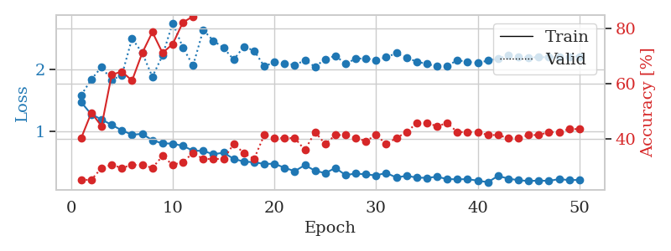
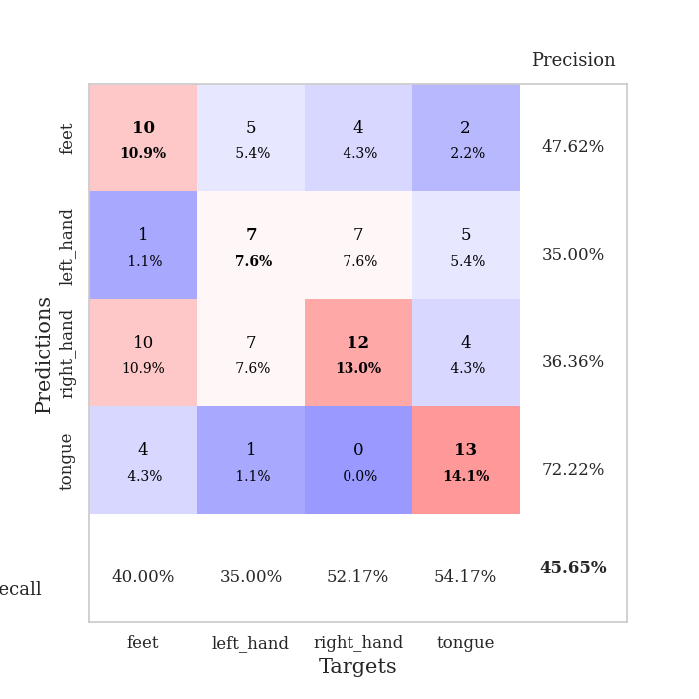
train_loss | valid_loss | train_accuracy | valid_accuracy | dur | train_misclass | valid_misclass
1.4751717681 | 1.5898407076 | 0.40217391304 | 0.25 | 0.080296993256 | 40.217391304 | 25
1.2789071125 | 1.8442746245 | 0.49456521739 | 0.25 | 0.079811573029 | 49.456521739 | 25
1.1990645709 | 2.0420460701 | 0.44565217391 | 0.29347826087 | 0.080017089844 | 44.565217391 | 29.347826087
1.1097491669 | 1.8342034765 | 0.63315217391 | 0.30434782609 | 0.080150127411 | 63.315217391 | 30.434782609
1.0233217141 | 1.9122029698 | 0.64402173913 | 0.29347826087 | 0.080190658569 | 64.402173913 | 29.347826087
0.95254978926 | 2.5024478125 | 0.61141304348 | 0.30434782609 | 0.080135345459 | 61.141304348 | 30.434782609
0.96609226517 | 2.2682766707 | 0.71195652174 | 0.30434782609 | 0.080425977707 | 71.195652174 | 30.434782609
0.86297653551 | 1.8862382381 | 0.78804347826 | 0.29347826087 | 0.080144643784 | 78.804347826 | 29.347826087
0.81304528791 | 2.2288926736 | 0.71195652174 | 0.33695652174 | 0.080315589905 | 71.195652174 | 33.695652174
0.80996899242 | 2.750615037 | 0.74456521739 | 0.30434782609 | 0.080497741699 | 74.456521739 | 30.434782609
0.77182796727 | 2.3570673673 | 0.82336956522 | 0.3152173913 | 0.080178499222 | 82.336956522 | 31.52173913
0.69660742775 | 2.0641394698 | 0.84510869565 | 0.34782608696 | 0.080129861832 | 84.510869565 | 34.782608696
0.69209465773 | 2.6379914387 | 0.86684782609 | 0.32608695652 | 0.080657243729 | 86.684782609 | 32.608695652
0.6381346389 | 2.4660656038 | 0.86684782609 | 0.32608695652 | 0.080145120621 | 86.684782609 | 32.608695652
0.66366176761 | 2.3510351181 | 0.88858695652 | 0.32608695652 | 0.080272912979 | 88.858695652 | 32.608695652
0.56416045453 | 2.1607209289 | 0.92391304348 | 0.38043478261 | 0.08006978035 | 92.391304348 | 38.043478261
0.51940479356 | 2.3711490942 | 0.9402173913 | 0.34782608696 | 0.08041882515 | 94.02173913 | 34.782608696
0.51029039919 | 2.3061934554 | 0.92391304348 | 0.32608695652 | 0.080399751663 | 92.391304348 | 32.608695652
0.48119874493 | 2.0550143356 | 0.95108695652 | 0.41304347826 | 0.080366849899 | 95.108695652 | 41.304347826
0.48647516836 | 2.1194041086 | 0.96739130435 | 0.40217391304 | 0.080377817154 | 96.739130435 | 40.217391304
0.41991885784 | 2.1039112547 | 0.98097826087 | 0.40217391304 | 0.080107450485 | 98.097826087 | 40.217391304
0.36601645014 | 2.0767150392 | 0.95923913043 | 0.40217391304 | 0.080120801926 | 95.923913043 | 40.217391304
0.46386633295 | 2.1472749451 | 0.97554347826 | 0.35869565217 | 0.080027103424 | 97.554347826 | 35.869565217
0.37280617719 | 2.0480116295 | 0.97282608696 | 0.42391304348 | 0.079992771149 | 97.282608696 | 42.391304348
0.33390835251 | 2.1687134712 | 0.99456521739 | 0.38043478261 | 0.080310583115 | 99.456521739 | 38.043478261
0.41795623562 | 2.2244864288 | 0.98913043478 | 0.41304347826 | 0.080226898193 | 98.913043478 | 41.304347826
0.30293284681 | 2.0929074443 | 0.9972826087 | 0.41304347826 | 0.080431461334 | 99.72826087 | 41.304347826
0.327816292 | 2.1771246402 | 0.98097826087 | 0.40217391304 | 0.080297470093 | 98.097826087 | 40.217391304
0.31340103985 | 2.1810473411 | 0.97826086957 | 0.39130434783 | 0.080130338669 | 97.826086957 | 39.130434783
0.29727872915 | 2.1526092446 | 0.99456521739 | 0.41304347826 | 0.080288648605 | 99.456521739 | 41.304347826
0.33827433929 | 2.1989044884 | 0.97010869565 | 0.38043478261 | 0.080256938934 | 97.010869565 | 38.043478261
0.26247892432 | 2.266406759 | 0.99184782609 | 0.40217391304 | 0.080631017685 | 99.184782609 | 40.217391304
0.29251662966 | 2.1919964345 | 1 | 0.42391304348 | 0.080412387848 | 100 | 42.391304348
0.26159128871 | 2.1295552254 | 1 | 0.45652173913 | 0.080105781555 | 100 | 45.652173913
0.25873488447 | 2.0915709008 | 1 | 0.45652173913 | 0.080336332321 | 100 | 45.652173913
0.27555666475 | 2.0524529944 | 1 | 0.44565217391 | 0.080514669418 | 100 | 44.565217391
0.23904364103 | 2.0624148742 | 1 | 0.45652173913 | 0.08021569252 | 100 | 45.652173913
0.23376714211 | 2.1517598318 | 1 | 0.42391304348 | 0.080081701279 | 100 | 42.391304348
0.2381073149 | 2.125854119 | 1 | 0.42391304348 | 0.080161333084 | 100 | 42.391304348
0.21255787592 | 2.1094760273 | 1 | 0.42391304348 | 0.080175638199 | 100 | 42.391304348
0.18852659849 | 2.1449793059 | 1 | 0.41304347826 | 0.080101251602 | 100 | 41.304347826
0.29011491476 | 2.1759241353 | 1 | 0.41304347826 | 0.080191850662 | 100 | 41.304347826
0.24552085947 | 2.228443493 | 1 | 0.40217391304 | 0.080124855042 | 100 | 40.217391304
0.22086578348 | 2.2105241858 | 1 | 0.40217391304 | 0.080200433731 | 100 | 40.217391304
0.20715653475 | 2.1929464548 | 1 | 0.41304347826 | 0.08047246933 | 100 | 41.304347826
0.21534665901 | 2.2007078502 | 1 | 0.41304347826 | 0.080321073532 | 100 | 41.304347826
0.20900695706 | 2.2011723518 | 1 | 0.42391304348 | 0.080266237259 | 100 | 42.391304348
0.23863408715 | 2.202861449 | 1 | 0.42391304348 | 0.080556631088 | 100 | 42.391304348
0.22180686276 | 2.2077726851 | 1 | 0.4347826087 | 0.080154418945 | 100 | 43.47826087
0.2253599724 | 2.2118263193 | 1 | 0.4347826087 | 0.080312490463 | 100 | 43.47826087

Best Val accuracy is 0.45652173913043476 and Best test accuracy is 0.3793103448275862

Sheet8
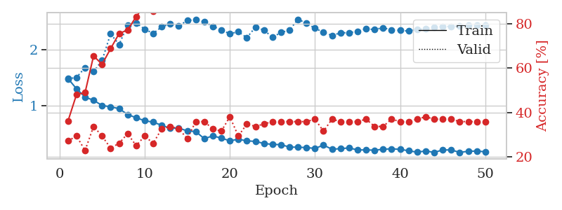
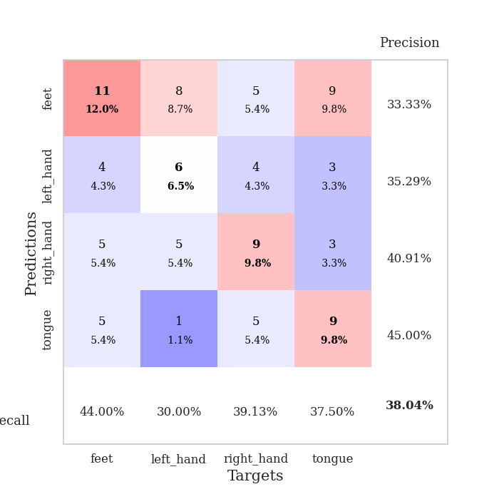
train_loss | valid_loss | train_accuracy | valid_accuracy | dur | train_misclass | valid_misclass
1.4848611925 | 1.4796963619 | 0.36141304348 | 0.27173913043 | 0.080465078354 | 36.141304348 | 27.173913043
1.300036788 | 1.5056072266 | 0.48097826087 | 0.29347826087 | 0.078087806702 | 48.097826087 | 29.347826087
1.1525221933 | 1.6810546388 | 0.48913043478 | 0.22826086957 | 0.078354597092 | 48.913043478 | 22.826086957
1.0939423571 | 1.6095257324 | 0.65489130435 | 0.33695652174 | 0.078378677368 | 65.489130435 | 33.695652174
1.0010696935 | 1.8106080345 | 0.61684782609 | 0.29347826087 | 0.07884812355 | 61.684782609 | 29.347826087
0.97703854416 | 2.2880544455 | 0.6875 | 0.23913043478 | 0.078669071198 | 68.75 | 23.913043478
0.94335203326 | 2.0968810061 | 0.75543478261 | 0.26086956522 | 0.079030990601 | 75.543478261 | 26.086956522
0.83866707138 | 2.4473284742 | 0.77173913043 | 0.30434782609 | 0.079034328461 | 77.173913043 | 30.434782609
0.78044059484 | 2.4864497288 | 0.83152173913 | 0.25 | 0.078647375107 | 83.152173913 | 25
0.72709936163 | 2.3721202871 | 0.88315217391 | 0.29347826087 | 0.0785176754 | 88.315217391 | 29.347826087
0.70133788948 | 2.2962052822 | 0.85597826087 | 0.26086956522 | 0.078648090363 | 85.597826087 | 26.086956522
0.64465566563 | 2.4135875806 | 0.90760869565 | 0.32608695652 | 0.078632116318 | 90.760869565 | 32.608695652
0.58991539608 | 2.4683440976 | 0.92119565217 | 0.33695652174 | 0.078530550003 | 92.119565217 | 33.695652174
0.59436532596 | 2.4316463263 | 0.9347826087 | 0.32608695652 | 0.07869887352 | 93.47826087 | 32.608695652
0.54401764274 | 2.5274829761 | 0.92934782609 | 0.28260869565 | 0.078464269638 | 92.934782609 | 28.260869565
0.53216466502 | 2.5439165053 | 0.95108695652 | 0.35869565217 | 0.078366756439 | 95.108695652 | 35.869565217
0.40439885272 | 2.507471862 | 0.97826086957 | 0.35869565217 | 0.078322172165 | 97.826086957 | 35.869565217
0.45394121499 | 2.4236213539 | 0.95652173913 | 0.32608695652 | 0.078117609024 | 95.652173913 | 32.608695652
0.41460769397 | 2.359398308 | 0.94836956522 | 0.3152173913 | 0.079002380371 | 94.836956522 | 31.52173913
0.365546531 | 2.2892522397 | 0.98097826087 | 0.38043478261 | 0.079160690308 | 98.097826087 | 38.043478261
0.3938189583 | 2.3267910584 | 0.96739130435 | 0.29347826087 | 0.078987598419 | 96.739130435 | 29.347826087
0.36470972649 | 2.218342921 | 0.98369565217 | 0.34782608696 | 0.078665018082 | 98.369565217 | 34.782608696
0.35534318634 | 2.4070639299 | 0.99184782609 | 0.33695652174 | 0.079085826874 | 99.184782609 | 33.695652174
0.318395119 | 2.3568949388 | 0.9972826087 | 0.34782608696 | 0.078620672226 | 99.72826087 | 34.782608696
0.30062547164 | 2.2264575751 | 0.98913043478 | 0.35869565217 | 0.078633308411 | 98.913043478 | 35.869565217
0.29702449007 | 2.3124069286 | 0.96467391304 | 0.35869565217 | 0.078687667847 | 96.467391304 | 35.869565217
0.25331751937 | 2.3543247658 | 0.99456521739 | 0.35869565217 | 0.078602790833 | 99.456521739 | 35.869565217
0.25079367342 | 2.5506494356 | 0.99456521739 | 0.35869565217 | 0.078565120697 | 99.456521739 | 35.869565217
0.24387000274 | 2.476837832 | 1 | 0.35869565217 | 0.078640460968 | 100 | 35.869565217
0.22928462307 | 2.3890990693 | 0.99456521739 | 0.36956521739 | 0.078603982925 | 99.456521739 | 36.956521739
0.28779560651 | 2.3141018982 | 0.99456521739 | 0.3152173913 | 0.078551769257 | 99.456521739 | 31.52173913
0.21458396607 | 2.2603315633 | 0.9972826087 | 0.36956521739 | 0.078602552414 | 99.72826087 | 36.956521739
0.22424262471 | 2.3057285288 | 0.9972826087 | 0.35869565217 | 0.078561782837 | 99.72826087 | 35.869565217
0.23766178314 | 2.3106743149 | 1 | 0.35869565217 | 0.078429937363 | 100 | 35.869565217
0.20174048193 | 2.3322017193 | 0.9972826087 | 0.35869565217 | 0.07859826088 | 99.72826087 | 35.869565217
0.20167436256 | 2.3757039257 | 1 | 0.36956521739 | 0.078668832779 | 100 | 36.956521739
0.19756551184 | 2.3669413069 | 1 | 0.33695652174 | 0.078809976578 | 100 | 33.695652174
0.21340034837 | 2.3990612652 | 1 | 0.33695652174 | 0.078770160675 | 100 | 33.695652174
0.22243382199 | 2.358044303 | 1 | 0.36956521739 | 0.078657150269 | 100 | 36.956521739
0.21228269974 | 2.351915883 | 1 | 0.35869565217 | 0.078584432602 | 100 | 35.869565217
0.18661888527 | 2.3377960195 | 1 | 0.35869565217 | 0.078670501709 | 100 | 35.869565217
0.16133808053 | 2.3664189888 | 1 | 0.36956521739 | 0.078624486923 | 100 | 36.956521739
0.18337081583 | 2.382052463 | 1 | 0.38043478261 | 0.078601360321 | 100 | 38.043478261
0.15783686126 | 2.411070295 | 1 | 0.36956521739 | 0.078581571579 | 100 | 36.956521739
0.20117849241 | 2.4193525833 | 1 | 0.36956521739 | 0.078667402267 | 100 | 36.956521739
0.20180734344 | 2.4203786954 | 1 | 0.36956521739 | 0.078605413437 | 100 | 36.956521739
0.15688540495 | 2.4298964791 | 1 | 0.35869565217 | 0.078697919846 | 100 | 35.869565217
0.1779263601 | 2.4379288943 | 1 | 0.35869565217 | 0.078578233719 | 100 | 35.869565217
0.18102223539 | 2.4436048528 | 1 | 0.35869565217 | 0.078618526459 | 100 | 35.869565217
0.1683078039 | 2.4480061635 | 1 | 0.35869565217 | 0.078458786011 | 100 | 35.869565217

Best Val accuracy is 0.3804347826086957 and Best test accuracy is 0.3793103448275862

Sheet9
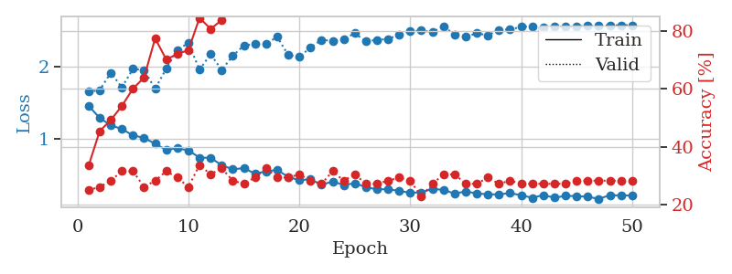
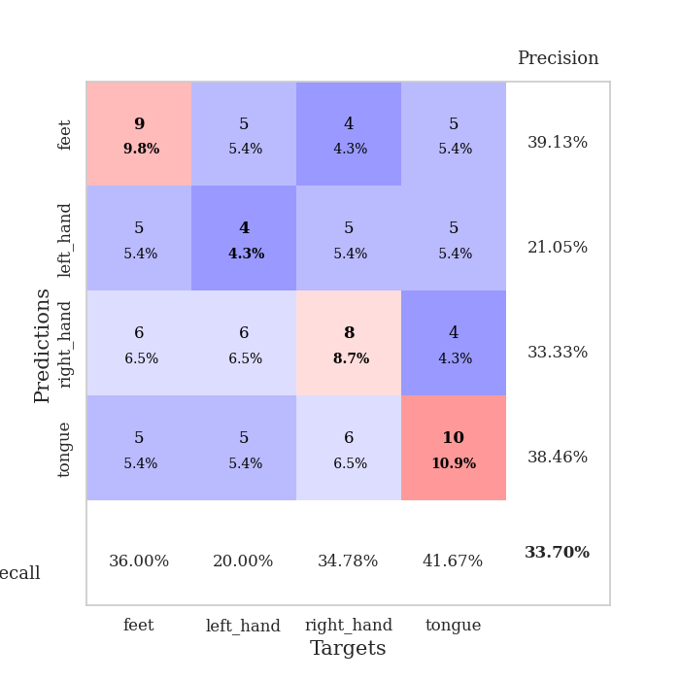
train_loss | valid_loss | train_accuracy | valid_accuracy | dur | train_misclass | valid_misclass
1.4583031976 | 1.6559930522 | 0.33423913043 | 0.25 | 0.079329967499 | 33.423913043 | 25
1.2876415926 | 1.6766448021 | 0.45380434783 | 0.26086956522 | 0.078077554703 | 45.380434783 | 26.086956522
1.1852887247 | 1.9201399451 | 0.49184782609 | 0.28260869565 | 0.078415870667 | 49.184782609 | 28.260869565
1.1333545991 | 1.7161324957 | 0.54076086957 | 0.3152173913 | 0.07878613472 | 54.076086957 | 31.52173913
1.044535795 | 1.9724925705 | 0.60054347826 | 0.3152173913 | 0.079367399216 | 60.054347826 | 31.52173913
1.0102837708 | 1.957403551 | 0.63858695652 | 0.26086956522 | 0.079038143158 | 63.858695652 | 26.086956522
0.92698459781 | 1.6947396527 | 0.77445652174 | 0.28260869565 | 0.079199075699 | 77.445652174 | 28.260869565
0.84236343399 | 1.9782621394 | 0.70108695652 | 0.3152173913 | 0.078771591187 | 70.108695652 | 31.52173913
0.86442197924 | 2.23602722 | 0.72010869565 | 0.29347826087 | 0.078750133514 | 72.010869565 | 29.347826087
0.83539678999 | 2.3368245104 | 0.73369565217 | 0.26086956522 | 0.078462839127 | 73.369565217 | 26.086956522
0.73342534252 | 1.9608486476 | 0.84510869565 | 0.33695652174 | 0.078583955765 | 84.510869565 | 33.695652174
0.731143621 | 2.1791216861 | 0.80706521739 | 0.30434782609 | 0.078564405441 | 80.706521739 | 30.434782609
0.62768914777 | 1.9584221581 | 0.83695652174 | 0.32608695652 | 0.078499555588 | 83.695652174 | 32.608695652
0.56935017005 | 2.154748927 | 0.88315217391 | 0.28260869565 | 0.078972578049 | 88.315217391 | 28.260869565
0.58823876148 | 2.3019696992 | 0.89673913043 | 0.27173913043 | 0.078430652618 | 89.673913043 | 27.173913043
0.50911923401 | 2.3189025755 | 0.89130434783 | 0.29347826087 | 0.0786216259 | 89.130434783 | 29.347826087
0.54117951056 | 2.3239576298 | 0.8722826087 | 0.32608695652 | 0.078451871872 | 87.22826087 | 32.608695652
0.56260783906 | 2.4195520463 | 0.92663043478 | 0.29347826087 | 0.078698635101 | 92.663043478 | 29.347826087
0.46364481229 | 2.166990078 | 0.94836956522 | 0.29347826087 | 0.078612804413 | 94.836956522 | 29.347826087
0.4175071185 | 2.1429983585 | 0.96467391304 | 0.30434782609 | 0.078648328781 | 96.467391304 | 30.434782609
0.4332823261 | 2.2706523615 | 0.96467391304 | 0.28260869565 | 0.078467130661 | 96.467391304 | 28.260869565
0.35271690721 | 2.3802822465 | 0.97554347826 | 0.27173913043 | 0.078877210617 | 97.554347826 | 27.173913043
0.40161039453 | 2.3640237787 | 0.98097826087 | 0.3152173913 | 0.078966379166 | 98.097826087 | 31.52173913
0.35083117239 | 2.3878687879 | 0.97282608696 | 0.28260869565 | 0.079319477081 | 97.282608696 | 28.260869565
0.37607979936 | 2.4723370905 | 0.98097826087 | 0.30434782609 | 0.07855796814 | 98.097826087 | 30.434782609
0.32063100908 | 2.3557339129 | 0.99184782609 | 0.27173913043 | 0.078708171844 | 99.184782609 | 27.173913043
0.29084322569 | 2.3795941705 | 0.99456521739 | 0.27173913043 | 0.078584909439 | 99.456521739 | 27.173913043
0.29297841956 | 2.3894243551 | 1 | 0.28260869565 | 0.078522205353 | 100 | 28.260869565
0.26745174177 | 2.4539969382 | 0.9972826087 | 0.29347826087 | 0.07855463028 | 99.72826087 | 29.347826087
0.24327260904 | 2.4988809979 | 0.99456521739 | 0.28260869565 | 0.078029155731 | 99.456521739 | 28.260869565
0.24888610322 | 2.5084860843 | 0.98913043478 | 0.22826086957 | 0.078127145767 | 98.913043478 | 22.826086957
0.29761715201 | 2.4884610591 | 0.9972826087 | 0.27173913043 | 0.078079462051 | 99.72826087 | 27.173913043
0.28262162014 | 2.5682154013 | 0.9972826087 | 0.30434782609 | 0.07830953598 | 99.72826087 | 30.434782609
0.23124599554 | 2.4522320188 | 1 | 0.30434782609 | 0.078319787979 | 100 | 30.434782609
0.26179066041 | 2.4203517126 | 0.9972826087 | 0.27173913043 | 0.078603029251 | 99.72826087 | 27.173913043
0.23352691726 | 2.4724415385 | 1 | 0.27173913043 | 0.078854799271 | 100 | 27.173913043
0.22138701703 | 2.441616276 | 1 | 0.29347826087 | 0.07870554924 | 100 | 29.347826087
0.21994296769 | 2.5210007066 | 1 | 0.27173913043 | 0.083227396011 | 100 | 27.173913043
0.23846632793 | 2.5225964525 | 1 | 0.28260869565 | 0.079081296921 | 100 | 28.260869565
0.20813806663 | 2.5620137712 | 1 | 0.27173913043 | 0.078725814819 | 100 | 27.173913043
0.17266795606 | 2.5650896404 | 1 | 0.27173913043 | 0.078678607941 | 100 | 27.173913043
0.21093314692 | 2.5518239892 | 1 | 0.27173913043 | 0.078508138657 | 100 | 27.173913043
0.17374915209 | 2.5630678923 | 1 | 0.27173913043 | 0.078718662262 | 100 | 27.173913043
0.19954621112 | 2.5612247923 | 1 | 0.27173913043 | 0.078662633896 | 100 | 27.173913043
0.19639073021 | 2.5659819582 | 1 | 0.28260869565 | 0.078491210938 | 100 | 28.260869565
0.18704284031 | 2.5767943133 | 1 | 0.28260869565 | 0.078503847122 | 100 | 28.260869565
0.15745308526 | 2.5797980661 | 1 | 0.28260869565 | 0.078635215759 | 100 | 28.260869565
0.2099272842 | 2.5803156314 | 1 | 0.28260869565 | 0.078629732132 | 100 | 28.260869565
0.20457395037 | 2.582644473 | 1 | 0.28260869565 | 0.078541040421 | 100 | 28.260869565
0.20525430013 | 2.5847406491 | 1 | 0.28260869565 | 0.078597307205 | 100 | 28.260869565

Best Val accuracy is 0.33695652173913043 and Best test accuracy is 0.3793103448275862

Sheet10
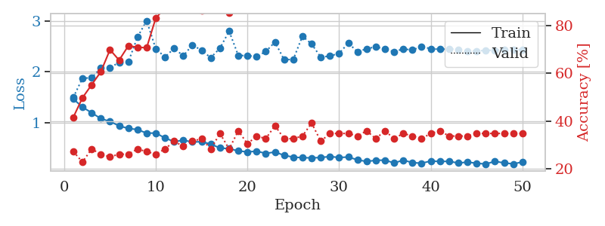
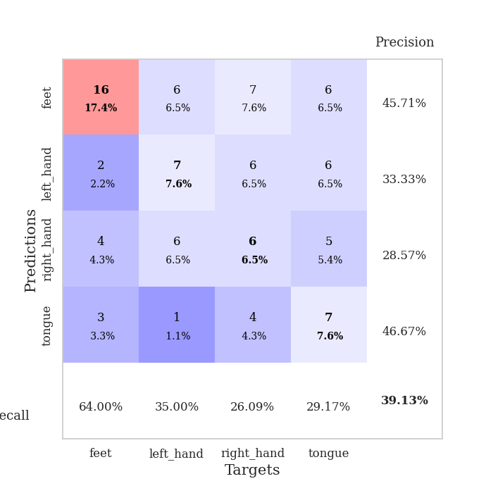
train_loss | valid_loss | train_accuracy | valid_accuracy | dur | train_misclass | valid_misclass
1.464149133 | 1.493778887 | 0.41576086957 | 0.27173913043 | 0.080567836761 | 41.576086957 | 27.173913043
1.3044203831 | 1.8717336344 | 0.4972826087 | 0.22826086957 | 0.079402685165 | 49.72826087 | 22.826086957
1.1918196963 | 1.8793169105 | 0.55163043478 | 0.28260869565 | 0.079394102097 | 55.163043478 | 28.260869565
1.0780351758 | 2.0722633134 | 0.60597826087 | 0.26086956522 | 0.079615592957 | 60.597826087 | 26.086956522
1.0212550137 | 2.0739051466 | 0.69836956522 | 0.25 | 0.080102920532 | 69.836956522 | 25
0.93578487894 | 2.1865405829 | 0.65489130435 | 0.26086956522 | 0.080163955688 | 65.489130435 | 26.086956522
0.88445900575 | 2.1902684232 | 0.71467391304 | 0.26086956522 | 0.080007076263 | 71.467391304 | 26.086956522
0.86263298211 | 2.6788237302 | 0.70923913043 | 0.28260869565 | 0.079952955246 | 70.923913043 | 28.260869565
0.79140341541 | 3.0013240628 | 0.70652173913 | 0.27173913043 | 0.080186843872 | 70.652173913 | 27.173913043
0.79450715366 | 2.4484325907 | 0.83152173913 | 0.26086956522 | 0.079990386963 | 83.152173913 | 26.086956522
0.69668816743 | 2.2889293588 | 0.8722826087 | 0.28260869565 | 0.080123186111 | 87.22826087 | 28.260869565
0.62510267937 | 2.4582076176 | 0.89945652174 | 0.3152173913 | 0.080082893372 | 89.945652174 | 31.52173913
0.65265098732 | 2.310717479 | 0.90760869565 | 0.29347826087 | 0.081441402435 | 90.760869565 | 29.347826087
0.61809193958 | 2.5273882099 | 0.93206521739 | 0.3152173913 | 0.078405380249 | 93.206521739 | 31.52173913
0.62369119473 | 2.416652213 | 0.86141304348 | 0.32608695652 | 0.078717947006 | 86.141304348 | 32.608695652
0.57578317238 | 2.2750286227 | 0.91576086957 | 0.28260869565 | 0.08567070961 | 91.576086957 | 28.260869565
0.49978952434 | 2.4627180825 | 0.95652173913 | 0.34782608696 | 0.091398477554 | 95.652173913 | 34.782608696
0.48627199557 | 2.7951019225 | 0.85326086957 | 0.28260869565 | 0.081941127777 | 85.326086957 | 28.260869565
0.44265318694 | 2.3188960656 | 0.96195652174 | 0.35869565217 | 0.081156730652 | 96.195652174 | 35.869565217
0.42374228654 | 2.3151999556 | 0.97282608696 | 0.30434782609 | 0.081048965454 | 97.282608696 | 30.434782609
0.43673451828 | 2.2967346958 | 0.97554347826 | 0.33695652174 | 0.080669164658 | 97.554347826 | 33.695652174
0.39451516776 | 2.3956754622 | 0.97010869565 | 0.32608695652 | 0.08044219017 | 97.010869565 | 32.608695652
0.42061441295 | 2.5822118987 | 0.97282608696 | 0.38043478261 | 0.080516338348 | 97.282608696 | 38.043478261
0.35626547362 | 2.235555825 | 0.9972826087 | 0.32608695652 | 0.080546379089 | 99.72826087 | 32.608695652
0.32030341191 | 2.2419150498 | 0.97282608696 | 0.32608695652 | 0.080267429352 | 97.282608696 | 32.608695652
0.31015161749 | 2.6967642204 | 0.98097826087 | 0.33695652174 | 0.080164670944 | 98.097826087 | 33.695652174
0.30588251288 | 2.5438142859 | 0.98641304348 | 0.39130434783 | 0.080293178558 | 98.641304348 | 39.130434783
0.31324827347 | 2.284770893 | 0.9972826087 | 0.3152173913 | 0.080539703369 | 99.72826087 | 31.52173913
0.33219606332 | 2.3080438842 | 0.9972826087 | 0.34782608696 | 0.080286979675 | 99.72826087 | 34.782608696
0.31310705322 | 2.3600262248 | 0.99456521739 | 0.34782608696 | 0.080214262009 | 99.456521739 | 34.782608696
0.32269026404 | 2.5607039099 | 1 | 0.34782608696 | 0.080580234528 | 100 | 34.782608696
0.26731921247 | 2.3935878277 | 1 | 0.33695652174 | 0.080554485321 | 100 | 33.695652174
0.2348956916 | 2.4471320691 | 1 | 0.35869565217 | 0.080537796021 | 100 | 35.869565217
0.25874324208 | 2.4919244103 | 0.9972826087 | 0.32608695652 | 0.080599308014 | 99.72826087 | 32.608695652
0.26119505193 | 2.4403712749 | 1 | 0.35869565217 | 0.080477714539 | 100 | 35.869565217
0.20656283005 | 2.393137994 | 1 | 0.32608695652 | 0.080400705338 | 100 | 32.608695652
0.2602461097 | 2.4462832368 | 1 | 0.34782608696 | 0.080283880234 | 100 | 34.782608696
0.21322592963 | 2.426981501 | 1 | 0.33695652174 | 0.080287456512 | 100 | 33.695652174
0.20038382029 | 2.4942093932 | 1 | 0.32608695652 | 0.080239295959 | 100 | 32.608695652
0.24405558926 | 2.4514196956 | 1 | 0.34782608696 | 0.08037853241 | 100 | 34.782608696
0.23558106047 | 2.439158139 | 1 | 0.35869565217 | 0.08052611351 | 100 | 35.869565217
0.23846554724 | 2.4458411155 | 1 | 0.33695652174 | 0.08068561554 | 100 | 33.695652174
0.20444972133 | 2.4369124537 | 1 | 0.33695652174 | 0.080370664597 | 100 | 33.695652174
0.22240157652 | 2.4010947165 | 1 | 0.33695652174 | 0.080320119858 | 100 | 33.695652174
0.20088239694 | 2.4088574596 | 1 | 0.34782608696 | 0.080120801926 | 100 | 34.782608696
0.18496217449 | 2.4178800687 | 1 | 0.34782608696 | 0.080612897873 | 100 | 34.782608696
0.23851858274 | 2.4235325585 | 1 | 0.34782608696 | 0.080871105194 | 100 | 34.782608696
0.20641060983 | 2.4274581619 | 1 | 0.34782608696 | 0.080564260483 | 100 | 34.782608696
0.18846789812 | 2.4330799372 | 1 | 0.34782608696 | 0.080581665039 | 100 | 34.782608696
0.22475101604 | 2.4376383035 | 1 | 0.34782608696 | 0.080871582031 | 100 | 34.782608696

Best Val accuracy is 0.391304347826087 and Best test accuracy is 0.3793103448275862

