Sheet
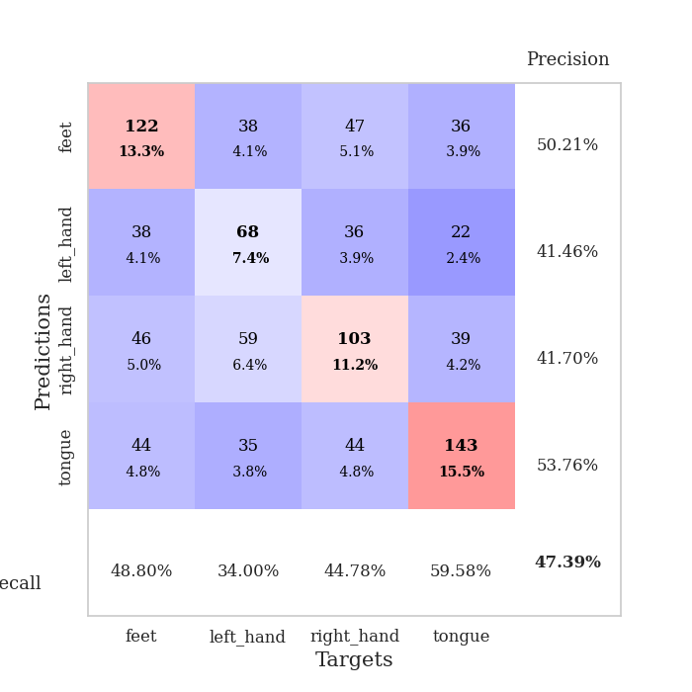
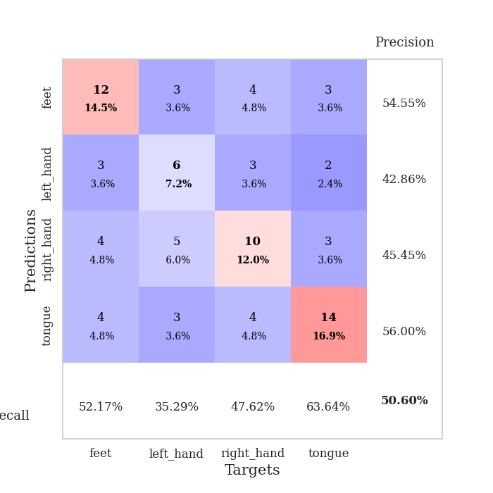
best_val_acc | best_val_los | best_test_acc
0.53260869565 | 1.41151705 | 0.43965517241
0.5 | 1.4787871527 | 0.43965517241
0.45652173913 | 1.4730457378 | 0.38793103448
0.41304347826 | 1.4300788848 | 0.39655172414
0.52173913043 | 1.5213605813 | 0.39655172414
0.48913043478 | 1.4611708651 | 0.37068965517
0.45652173913 | 1.4829485727 | 0.46551724138
0.45652173913 | 1.5116557712 | 0.34482758621
0.40217391304 | 1.3488540027 | 0.35344827586
0.51086956522 | 1.5301567368 | 0.40517241379

Mean,std Val accuracy is 0.47391304347826085 , 0.044433941207988104 and mean, std test accuracy is 0.4 , 0.03902125332590334

Sheet1
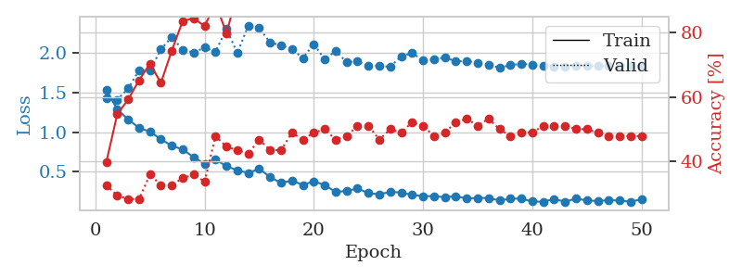
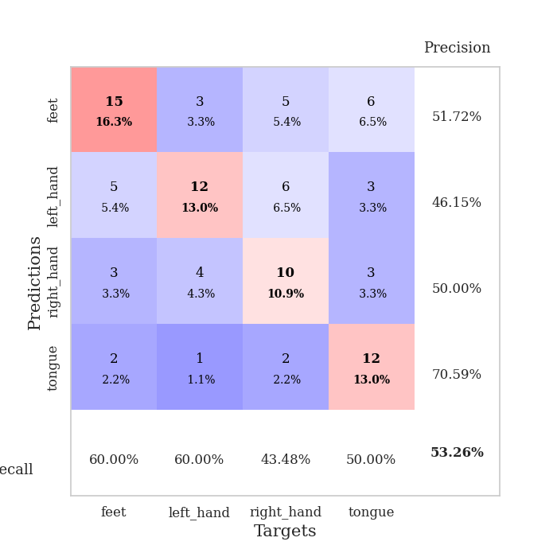
train_loss | valid_loss | train_accuracy | valid_accuracy | dur | train_misclass | valid_misclass
1.5380441365 | 1.4247392571 | 0.39673913043 | 0.32608695652 | 0.082708120346 | 39.673913043 | 32.608695652
1.2884815258 | 1.41151705 | 0.54619565217 | 0.29347826087 | 0.080265283585 | 54.619565217 | 29.347826087
1.1618142076 | 1.5527993492 | 0.59239130435 | 0.28260869565 | 0.084336280823 | 59.239130435 | 28.260869565
1.0545908239 | 1.7822665339 | 0.65217391304 | 0.28260869565 | 0.081072568893 | 65.217391304 | 28.260869565
1.005341662 | 1.7803049709 | 0.70380434783 | 0.35869565217 | 0.080653190613 | 70.380434783 | 35.869565217
0.91118029408 | 2.0476896452 | 0.64402173913 | 0.32608695652 | 0.080718517303 | 64.402173913 | 32.608695652
0.8264891881 | 2.2053166732 | 0.74456521739 | 0.32608695652 | 0.080690145493 | 74.456521739 | 32.608695652
0.78292652965 | 2.0399755395 | 0.83695652174 | 0.34782608696 | 0.080795764923 | 83.695652174 | 34.782608696
0.68153317337 | 2.0087738089 | 0.84510869565 | 0.35869565217 | 0.080500125885 | 84.510869565 | 35.869565217
0.60002906037 | 2.0688273052 | 0.82065217391 | 0.33695652174 | 0.080719709396 | 82.065217391 | 33.695652174
0.65512511005 | 2.0189923204 | 0.89130434783 | 0.47826086957 | 0.08050942421 | 89.130434783 | 47.826086957
0.56888685149 | 2.3064880319 | 0.79891304348 | 0.44565217391 | 0.080909490585 | 79.891304348 | 44.565217391
0.5185002393 | 2.0002853404 | 0.92119565217 | 0.4347826087 | 0.08029460907 | 92.119565217 | 43.47826087
0.48328448767 | 2.3497721579 | 0.92119565217 | 0.42391304348 | 0.080312490463 | 92.119565217 | 42.391304348
0.53693553935 | 2.3176041012 | 0.91032608696 | 0.46739130435 | 0.080773115158 | 91.032608696 | 46.739130435
0.43105377646 | 2.1336937054 | 0.94293478261 | 0.4347826087 | 0.080367088318 | 94.293478261 | 43.47826087
0.35684427878 | 2.1002145125 | 0.97826086957 | 0.4347826087 | 0.080310583115 | 97.826086957 | 43.47826087
0.38769338669 | 2.0498411137 | 0.98097826087 | 0.48913043478 | 0.080282211304 | 98.097826087 | 48.913043478
0.33231065649 | 1.9372012615 | 0.98641304348 | 0.46739130435 | 0.080747127533 | 98.641304348 | 46.739130435
0.37912032008 | 2.1153737462 | 0.97554347826 | 0.48913043478 | 0.080523490906 | 97.554347826 | 48.913043478
0.32966628185 | 1.920579817 | 0.98369565217 | 0.5 | 0.080733299255 | 98.369565217 | 50
0.24457602916 | 2.027691525 | 0.98913043478 | 0.46739130435 | 0.080574512482 | 98.913043478 | 46.739130435
0.25497187026 | 1.8854912053 | 0.9972826087 | 0.47826086957 | 0.080736160278 | 99.72826087 | 47.826086957
0.28840523084 | 1.892614686 | 0.9972826087 | 0.51086956522 | 0.080654382706 | 99.72826087 | 51.086956522
0.22787002798 | 1.8402916763 | 0.9972826087 | 0.51086956522 | 0.080619335175 | 99.72826087 | 51.086956522
0.2137990581 | 1.839309879 | 0.99456521739 | 0.46739130435 | 0.080486059189 | 99.456521739 | 46.739130435
0.24438574829 | 1.8272773701 | 0.9972826087 | 0.5 | 0.080430984497 | 99.72826087 | 50
0.23681379239 | 1.9619886771 | 1 | 0.48913043478 | 0.080440998077 | 100 | 48.913043478
0.20530734341 | 1.9982743056 | 0.9972826087 | 0.52173913043 | 0.083924770355 | 99.72826087 | 52.173913043
0.19115782562 | 1.9141600858 | 1 | 0.51086956522 | 0.080924510956 | 100 | 51.086956522
0.18985053541 | 1.9181916714 | 1 | 0.47826086957 | 0.0812458992 | 100 | 47.826086957
0.17747088732 | 1.9469598428 | 1 | 0.48913043478 | 0.081057786942 | 100 | 48.913043478
0.1887957167 | 1.8956019256 | 1 | 0.52173913043 | 0.081146240234 | 100 | 52.173913043
0.16108092585 | 1.9013877019 | 1 | 0.53260869565 | 0.081216335297 | 100 | 53.260869565
0.16689961922 | 1.8793876586 | 1 | 0.51086956522 | 0.081334352493 | 100 | 51.086956522
0.16762320843 | 1.8523352353 | 1 | 0.53260869565 | 0.082453250885 | 100 | 53.260869565
0.13564970118 | 1.8156755696 | 1 | 0.5 | 0.081140041351 | 100 | 50
0.15818233739 | 1.8493371735 | 1 | 0.47826086957 | 0.081284046173 | 100 | 47.826086957
0.15904922079 | 1.8642943527 | 1 | 0.48913043478 | 0.081000804901 | 100 | 48.913043478
0.12310007425 | 1.8545254521 | 1 | 0.48913043478 | 0.08075928688 | 100 | 48.913043478
0.11965588756 | 1.8383034209 | 1 | 0.51086956522 | 0.080584049225 | 100 | 51.086956522
0.15453396835 | 1.8307600229 | 1 | 0.51086956522 | 0.080634117126 | 100 | 51.086956522
0.12028715679 | 1.8320619438 | 1 | 0.51086956522 | 0.080719232559 | 100 | 51.086956522
0.15926644384 | 1.8385477688 | 1 | 0.5 | 0.080828666687 | 100 | 50
0.13604241156 | 1.836606233 | 1 | 0.5 | 0.080788373947 | 100 | 50
0.12801963561 | 1.8382952732 | 1 | 0.48913043478 | 0.080633640289 | 100 | 48.913043478
0.139543487 | 1.8390432855 | 1 | 0.47826086957 | 0.080558776855 | 100 | 47.826086957
0.1353379522 | 1.8391972521 | 1 | 0.47826086957 | 0.08049082756 | 100 | 47.826086957
0.11911849248 | 1.8390612706 | 1 | 0.47826086957 | 0.080975532532 | 100 | 47.826086957
0.15117554294 | 1.8390934571 | 1 | 0.47826086957 | 0.081069231033 | 100 | 47.826086957

Best Val accuracy is 0.532608695652174 and Best test accuracy is 0.4396551724137931

Sheet2
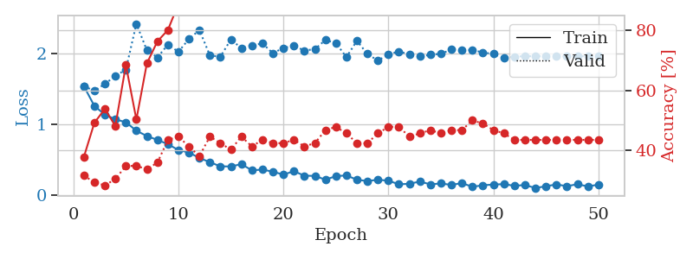
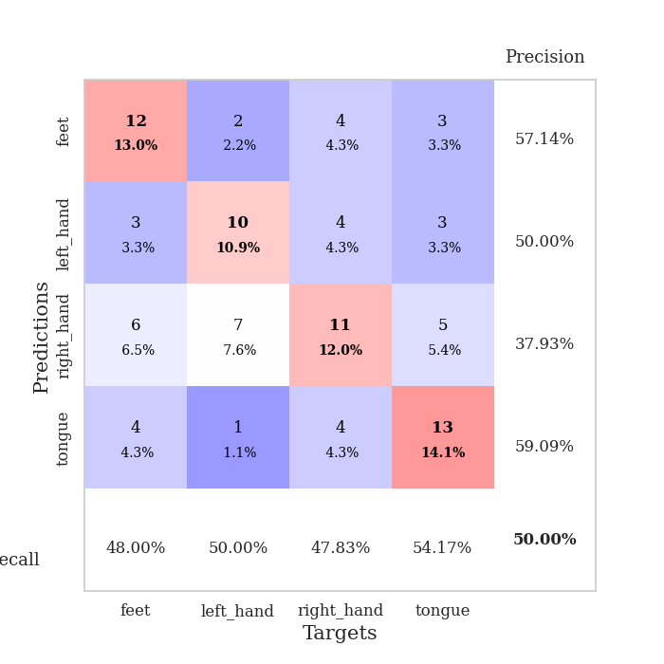
train_loss | valid_loss | train_accuracy | valid_accuracy | dur | train_misclass | valid_misclass
1.5440177451 | 1.5432807103 | 0.3777173913 | 0.3152173913 | 0.081303358078 | 37.77173913 | 31.52173913
1.2639164044 | 1.4787871527 | 0.49184782609 | 0.29347826087 | 0.080110311508 | 49.184782609 | 29.347826087
1.1411733627 | 1.5749650261 | 0.53804347826 | 0.28260869565 | 0.080290555954 | 53.804347826 | 28.260869565
1.0743391255 | 1.6888282351 | 0.48097826087 | 0.30434782609 | 0.080037117004 | 48.097826087 | 30.434782609
1.0332326008 | 1.7792981863 | 0.6847826087 | 0.34782608696 | 0.079996109009 | 68.47826087 | 34.782608696
0.91300790725 | 2.4272878377 | 0.5027173913 | 0.34782608696 | 0.080319166183 | 50.27173913 | 34.782608696
0.8381866424 | 2.0514559746 | 0.6902173913 | 0.33695652174 | 0.080341815948 | 69.02173913 | 33.695652174
0.78292737577 | 1.9504161296 | 0.76358695652 | 0.35869565217 | 0.080197811127 | 76.358695652 | 35.869565217
0.72309315982 | 2.1318382906 | 0.80163043478 | 0.4347826087 | 0.080370903015 | 80.163043478 | 43.47826087
0.63945605573 | 2.0297254117 | 0.88858695652 | 0.44565217391 | 0.080495834351 | 88.858695652 | 44.565217391
0.60497049404 | 2.2103211154 | 0.88043478261 | 0.41304347826 | 0.080631732941 | 88.043478261 | 41.304347826
0.52739957947 | 2.3380306078 | 0.88043478261 | 0.38043478261 | 0.080219507217 | 88.043478261 | 38.043478261
0.46797929056 | 1.9797782846 | 0.95652173913 | 0.44565217391 | 0.080342292786 | 95.652173913 | 44.565217391
0.4084521869 | 1.9598735519 | 0.92934782609 | 0.42391304348 | 0.080368995667 | 92.934782609 | 42.391304348
0.4071708963 | 2.2057072235 | 0.92934782609 | 0.40217391304 | 0.080291986465 | 92.934782609 | 40.217391304
0.44001372094 | 2.0809600094 | 0.97826086957 | 0.44565217391 | 0.080449104309 | 97.826086957 | 44.565217391
0.35260184498 | 2.1196659596 | 0.96739130435 | 0.41304347826 | 0.082437515259 | 96.739130435 | 41.304347826
0.3626998948 | 2.149093291 | 0.96467391304 | 0.4347826087 | 0.079745531082 | 96.467391304 | 43.47826087
0.33309133156 | 2.0110819443 | 0.98641304348 | 0.42391304348 | 0.079839944839 | 98.641304348 | 42.391304348
0.29143886301 | 2.0849391015 | 0.96467391304 | 0.42391304348 | 0.080074071884 | 96.467391304 | 42.391304348
0.34049965376 | 2.1147652502 | 0.97826086957 | 0.4347826087 | 0.080597400665 | 97.826086957 | 43.47826087
0.27636187686 | 2.0479419128 | 1 | 0.41304347826 | 0.080009698868 | 100 | 41.304347826
0.27349185037 | 2.0679418211 | 1 | 0.42391304348 | 0.080428361893 | 100 | 42.391304348
0.22025196206 | 2.1973473922 | 0.98913043478 | 0.46739130435 | 0.08038687706 | 98.913043478 | 46.739130435
0.26970871408 | 2.1536548682 | 0.98913043478 | 0.47826086957 | 0.080929279327 | 98.913043478 | 47.826086957
0.28070378336 | 1.9550178569 | 0.9972826087 | 0.45652173913 | 0.080761671066 | 99.72826087 | 45.652173913
0.2194023074 | 2.1851427814 | 0.9972826087 | 0.42391304348 | 0.08020067215 | 99.72826087 | 42.391304348
0.20003052801 | 2.0001200075 | 1 | 0.42391304348 | 0.080557107925 | 100 | 42.391304348
0.21942273495 | 1.9049921813 | 0.99456521739 | 0.45652173913 | 0.080363035202 | 99.456521739 | 45.652173913
0.20573624126 | 1.9951010761 | 1 | 0.47826086957 | 0.080115795135 | 100 | 47.826086957
0.15457068724 | 2.0341732476 | 1 | 0.47826086957 | 0.080217123032 | 100 | 47.826086957
0.16235938296 | 1.9940662047 | 1 | 0.44565217391 | 0.080155849457 | 100 | 44.565217391
0.19338353059 | 1.9635989821 | 1 | 0.45652173913 | 0.080805778503 | 100 | 45.652173913
0.15369775875 | 1.987583899 | 1 | 0.46739130435 | 0.080426931381 | 100 | 46.739130435
0.16665384109 | 2.0032859963 | 1 | 0.45652173913 | 0.080754995346 | 100 | 45.652173913
0.14600721714 | 2.0620159274 | 1 | 0.46739130435 | 0.080541610718 | 100 | 46.739130435
0.17157833813 | 2.0585452137 | 0.9972826087 | 0.46739130435 | 0.080537796021 | 99.72826087 | 46.739130435
0.1192815801 | 2.0563236216 | 1 | 0.5 | 0.080775976181 | 100 | 50
0.14122962952 | 2.0200017665 | 1 | 0.48913043478 | 0.080767393112 | 100 | 48.913043478
0.15086256032 | 2.0004809628 | 1 | 0.46739130435 | 0.080612182617 | 100 | 46.739130435
0.15732853236 | 1.9430301682 | 1 | 0.45652173913 | 0.080805063248 | 100 | 45.652173913
0.13315514637 | 1.9625760369 | 1 | 0.4347826087 | 0.080528974533 | 100 | 43.47826087
0.14449170313 | 1.9674109972 | 1 | 0.4347826087 | 0.08016371727 | 100 | 43.47826087
0.10239684023 | 1.9677077454 | 1 | 0.4347826087 | 0.080422639847 | 100 | 43.47826087
0.12689432534 | 1.967342045 | 1 | 0.4347826087 | 0.080399274826 | 100 | 43.47826087
0.15254734647 | 1.9657190287 | 1 | 0.4347826087 | 0.080472946167 | 100 | 43.47826087
0.12825751531 | 1.9657775293 | 1 | 0.4347826087 | 0.080436706543 | 100 | 43.47826087
0.15548955924 | 1.9668133181 | 1 | 0.4347826087 | 0.080777406693 | 100 | 43.47826087
0.12469716346 | 1.9681521084 | 1 | 0.4347826087 | 0.081004858017 | 100 | 43.47826087
0.14987648635 | 1.9698301217 | 1 | 0.4347826087 | 0.080621242523 | 100 | 43.47826087

Best Val accuracy is 0.5 and Best test accuracy is 0.4396551724137931

Sheet3
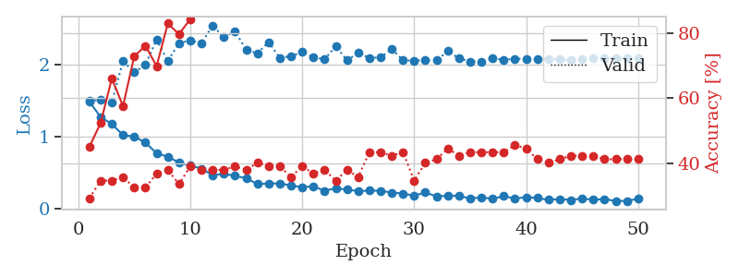
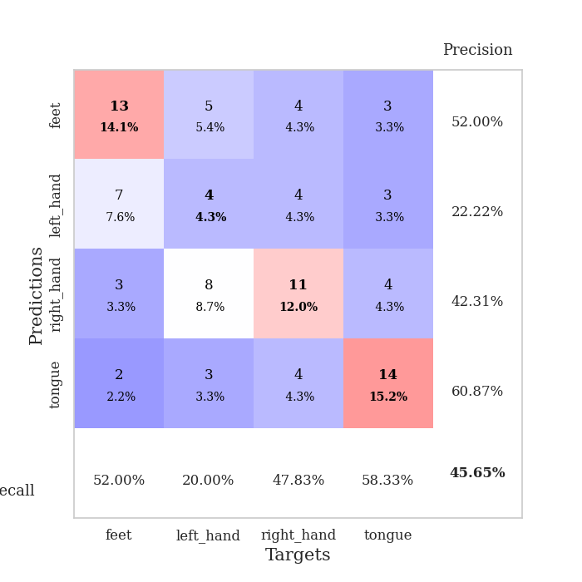
train_loss | valid_loss | train_accuracy | valid_accuracy | dur | train_misclass | valid_misclass
1.4817219091 | 1.4929430537 | 0.45108695652 | 0.29347826087 | 0.080358982086 | 45.108695652 | 29.347826087
1.2701111099 | 1.5067591874 | 0.52445652174 | 0.34782608696 | 0.079815626144 | 52.445652174 | 34.782608696
1.1730923419 | 1.4730457378 | 0.66032608696 | 0.34782608696 | 0.080996751785 | 66.032608696 | 34.782608696
1.0195573905 | 2.0446037106 | 0.57608695652 | 0.35869565217 | 0.082781791687 | 57.608695652 | 35.869565217
1.0001882729 | 1.8870614612 | 0.72826086957 | 0.32608695652 | 0.08077287674 | 72.826086957 | 32.608695652
0.91722164983 | 1.9913426586 | 0.76086956522 | 0.32608695652 | 0.080282449722 | 76.086956522 | 32.608695652
0.76816531109 | 2.3407987097 | 0.69836956522 | 0.36956521739 | 0.080329656601 | 69.836956522 | 36.956521739
0.72199246417 | 2.0430423902 | 0.82880434783 | 0.38043478261 | 0.080345392227 | 82.880434783 | 38.043478261
0.64034991031 | 2.291005684 | 0.79619565217 | 0.33695652174 | 0.080292701721 | 79.619565217 | 33.695652174
0.59761858246 | 2.330974724 | 0.84239130435 | 0.39130434783 | 0.080233335495 | 84.239130435 | 39.130434783
0.55739725154 | 2.2880720885 | 0.91304347826 | 0.38043478261 | 0.080601453781 | 91.304347826 | 38.043478261
0.46736117031 | 2.5363120825 | 0.92119565217 | 0.38043478261 | 0.080187559128 | 92.119565217 | 38.043478261
0.48290369757 | 2.3719025487 | 0.93206521739 | 0.38043478261 | 0.08015704155 | 93.206521739 | 38.043478261
0.45799241247 | 2.4576750475 | 0.92934782609 | 0.39130434783 | 0.080485582352 | 92.934782609 | 39.130434783
0.42289094433 | 2.1967783752 | 0.94836956522 | 0.38043478261 | 0.080265283585 | 94.836956522 | 38.043478261
0.34356487834 | 2.1510707295 | 0.97282608696 | 0.40217391304 | 0.080350875854 | 97.282608696 | 40.217391304
0.35048791183 | 2.3061443723 | 0.95380434783 | 0.39130434783 | 0.080543518066 | 95.380434783 | 39.130434783
0.35311592403 | 2.0869826027 | 0.98641304348 | 0.39130434783 | 0.08317399025 | 98.641304348 | 39.130434783
0.32329421555 | 2.1108789237 | 0.97010869565 | 0.35869565217 | 0.080837249756 | 97.010869565 | 35.869565217
0.30166133461 | 2.1676065559 | 0.98641304348 | 0.39130434783 | 0.080412387848 | 98.641304348 | 39.130434783
0.31148188788 | 2.0951555242 | 0.98369565217 | 0.36956521739 | 0.08020067215 | 98.369565217 | 36.956521739
0.25071114464 | 2.068252268 | 1 | 0.38043478261 | 0.080323934555 | 100 | 38.043478261
0.28573495668 | 2.2496474308 | 0.99456521739 | 0.34782608696 | 0.080082654953 | 99.456521739 | 34.782608696
0.26649350009 | 2.0559884154 | 1 | 0.38043478261 | 0.080199241638 | 100 | 38.043478261
0.24632994215 | 2.1540010701 | 0.99456521739 | 0.35869565217 | 0.080148935318 | 99.456521739 | 35.869565217
0.2522744206 | 2.0890270057 | 1 | 0.4347826087 | 0.080115318298 | 100 | 43.47826087
0.25160368402 | 2.0922297032 | 1 | 0.4347826087 | 0.080059051514 | 100 | 43.47826087
0.2248509604 | 2.210822489 | 0.99456521739 | 0.42391304348 | 0.080559968948 | 99.456521739 | 42.391304348
0.21345101848 | 2.0554803351 | 0.9972826087 | 0.4347826087 | 0.080334663391 | 99.72826087 | 43.47826087
0.18168902106 | 2.0493804113 | 1 | 0.34782608696 | 0.080326080322 | 100 | 34.782608696
0.22887244918 | 2.0555996739 | 0.9972826087 | 0.40217391304 | 0.080403089523 | 99.72826087 | 40.217391304
0.17105430591 | 2.053899112 | 1 | 0.41304347826 | 0.08039188385 | 100 | 41.304347826
0.18463257571 | 2.1794094003 | 1 | 0.44565217391 | 0.080342531204 | 100 | 44.565217391
0.17911191641 | 2.0814279318 | 1 | 0.42391304348 | 0.080543756485 | 100 | 42.391304348
0.1437180844 | 2.0375825011 | 1 | 0.4347826087 | 0.080259084702 | 100 | 43.47826087
0.16048787291 | 2.0330454111 | 1 | 0.4347826087 | 0.080304861069 | 100 | 43.47826087
0.13833881736 | 2.0824669444 | 1 | 0.4347826087 | 0.08051609993 | 100 | 43.47826087
0.17786433855 | 2.0596393295 | 1 | 0.4347826087 | 0.0804002285 | 100 | 43.47826087
0.14274733368 | 2.0761599644 | 1 | 0.45652173913 | 0.080316305161 | 100 | 45.652173913
0.16235799666 | 2.0742446754 | 1 | 0.44565217391 | 0.08062505722 | 100 | 44.565217391
0.15088434598 | 2.0698222596 | 1 | 0.41304347826 | 0.080452442169 | 100 | 41.304347826
0.12481402363 | 2.0739485803 | 1 | 0.40217391304 | 0.08042216301 | 100 | 40.217391304
0.13507791196 | 2.0673373264 | 1 | 0.41304347826 | 0.080363988876 | 100 | 41.304347826
0.12387464714 | 2.0529311533 | 1 | 0.42391304348 | 0.080408096313 | 100 | 42.391304348
0.14417864479 | 2.0647125244 | 1 | 0.42391304348 | 0.080335617065 | 100 | 42.391304348
0.12598180803 | 2.0830926273 | 1 | 0.42391304348 | 0.080303430557 | 100 | 42.391304348
0.13685591503 | 2.0855659817 | 1 | 0.41304347826 | 0.080382108688 | 100 | 41.304347826
0.10861453552 | 2.0862542961 | 1 | 0.41304347826 | 0.080291032791 | 100 | 41.304347826
0.11164292855 | 2.0879612487 | 1 | 0.41304347826 | 0.080362081528 | 100 | 41.304347826
0.13936964649 | 2.0883296884 | 1 | 0.41304347826 | 0.080465078354 | 100 | 41.304347826

Best Val accuracy is 0.45652173913043476 and Best test accuracy is 0.3879310344827586

Sheet4
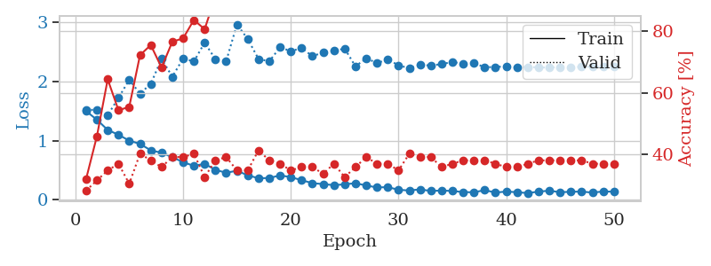
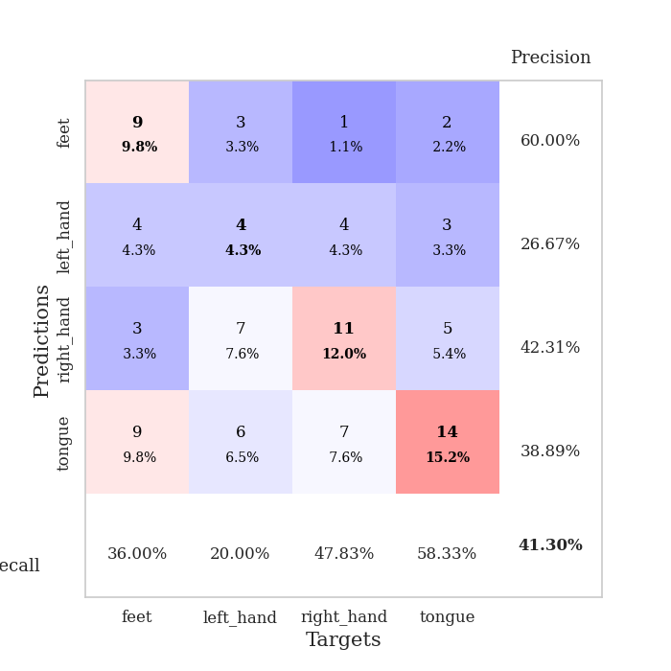
train_loss | valid_loss | train_accuracy | valid_accuracy | dur | train_misclass | valid_misclass
1.4975295741 | 1.5222806464 | 0.32065217391 | 0.28260869565 | 0.080782651901 | 32.065217391 | 28.260869565
1.3524501168 | 1.5182898407 | 0.45923913043 | 0.3152173913 | 0.079730272293 | 45.923913043 | 31.52173913
1.1800748861 | 1.4300788848 | 0.64402173913 | 0.34782608696 | 0.080034017563 | 64.402173913 | 34.782608696
1.0986663129 | 1.7221758158 | 0.54347826087 | 0.36956521739 | 0.08301281929 | 54.347826087 | 36.956521739
0.99852927353 | 2.0279941922 | 0.55434782609 | 0.30434782609 | 0.080673694611 | 55.434782609 | 30.434782609
0.94399718875 | 1.794551103 | 0.72282608696 | 0.40217391304 | 0.080304145813 | 72.282608696 | 40.217391304
0.83433899413 | 1.9596568553 | 0.75543478261 | 0.38043478261 | 0.080371379852 | 75.543478261 | 38.043478261
0.79458020563 | 2.3832262236 | 0.68206521739 | 0.35869565217 | 0.080034732819 | 68.206521739 | 35.869565217
0.72005701972 | 2.0802605619 | 0.76630434783 | 0.39130434783 | 0.080102443695 | 76.630434783 | 39.130434783
0.6342906317 | 2.3883362853 | 0.77717391304 | 0.39130434783 | 0.080251455307 | 77.717391304 | 39.130434783
0.57260340582 | 2.3359854066 | 0.83695652174 | 0.40217391304 | 0.082066059113 | 83.695652174 | 40.217391304
0.60663710211 | 2.6579008102 | 0.80706521739 | 0.32608695652 | 0.079961299896 | 80.706521739 | 32.608695652
0.50447034253 | 2.3751512973 | 0.91304347826 | 0.38043478261 | 0.079940795898 | 91.304347826 | 38.043478261
0.45563439701 | 2.3434132856 | 0.94293478261 | 0.39130434783 | 0.08002114296 | 94.293478261 | 39.130434783
0.49016000007 | 2.9653876709 | 0.875 | 0.34782608696 | 0.079757928848 | 87.5 | 34.782608696
0.41220335598 | 2.7182442468 | 0.90489130435 | 0.34782608696 | 0.080221652985 | 90.489130435 | 34.782608696
0.36305483852 | 2.3802408135 | 0.96467391304 | 0.41304347826 | 0.07953286171 | 96.467391304 | 41.304347826
0.36656537976 | 2.3410315514 | 0.95108695652 | 0.38043478261 | 0.079966545105 | 95.108695652 | 38.043478261
0.4112353597 | 2.5769451753 | 0.9375 | 0.36956521739 | 0.079544782639 | 93.75 | 36.956521739
0.38145422903 | 2.512975501 | 0.97554347826 | 0.34782608696 | 0.080492258072 | 97.554347826 | 34.782608696
0.33054391716 | 2.5639763656 | 0.96739130435 | 0.35869565217 | 0.079900026321 | 96.739130435 | 35.869565217
0.27986722342 | 2.4298123225 | 0.99184782609 | 0.35869565217 | 0.079341650009 | 99.184782609 | 35.869565217
0.26389240409 | 2.487478816 | 0.98097826087 | 0.33695652174 | 0.079380273819 | 98.097826087 | 33.695652174
0.2460339552 | 2.5166321008 | 0.9972826087 | 0.36956521739 | 0.079349279404 | 99.72826087 | 36.956521739
0.25994136282 | 2.5565960926 | 0.99456521739 | 0.32608695652 | 0.079215288162 | 99.456521739 | 32.608695652
0.27914182518 | 2.2554783406 | 0.99456521739 | 0.35869565217 | 0.078997135162 | 99.456521739 | 35.869565217
0.24037208473 | 2.3914989181 | 1 | 0.39130434783 | 0.079394817352 | 100 | 39.130434783
0.20665660355 | 2.3128138781 | 1 | 0.36956521739 | 0.079385757446 | 100 | 36.956521739
0.21296121569 | 2.36924895 | 1 | 0.36956521739 | 0.079386949539 | 100 | 36.956521739
0.16749958014 | 2.2751234511 | 1 | 0.34782608696 | 0.079350471497 | 100 | 34.782608696
0.15564055579 | 2.2216056482 | 1 | 0.40217391304 | 0.079234600067 | 100 | 40.217391304
0.17489156483 | 2.2825143648 | 0.9972826087 | 0.39130434783 | 0.079541921616 | 99.72826087 | 39.130434783
0.14713723666 | 2.268869172 | 1 | 0.39130434783 | 0.079166412354 | 100 | 39.130434783
0.15558061862 | 2.2944410936 | 1 | 0.35869565217 | 0.07944226265 | 100 | 35.869565217
0.14721421687 | 2.3290902221 | 1 | 0.36956521739 | 0.079505443573 | 100 | 36.956521739
0.12846687404 | 2.3010951747 | 1 | 0.38043478261 | 0.079469442368 | 100 | 38.043478261
0.12527872719 | 2.3102229056 | 1 | 0.38043478261 | 0.081011533737 | 100 | 38.043478261
0.16153854164 | 2.2425932729 | 1 | 0.38043478261 | 0.080198526382 | 100 | 38.043478261
0.1206286799 | 2.2431807311 | 1 | 0.36956521739 | 0.079815387726 | 100 | 36.956521739
0.13779158672 | 2.2574549706 | 1 | 0.35869565217 | 0.07967877388 | 100 | 35.869565217
0.12632823379 | 2.2387496855 | 1 | 0.35869565217 | 0.079851388931 | 100 | 35.869565217
0.11207665535 | 2.2455668449 | 1 | 0.36956521739 | 0.079853534698 | 100 | 36.956521739
0.1364795602 | 2.2371477251 | 1 | 0.38043478261 | 0.079879760742 | 100 | 38.043478261
0.15261510371 | 2.2354810756 | 1 | 0.38043478261 | 0.079939365387 | 100 | 38.043478261
0.12605901613 | 2.2436118489 | 1 | 0.38043478261 | 0.079958438873 | 100 | 38.043478261
0.13428424704 | 2.2403727614 | 1 | 0.38043478261 | 0.08011341095 | 100 | 38.043478261
0.1369040478 | 2.2479573177 | 1 | 0.38043478261 | 0.080223321915 | 100 | 38.043478261
0.12022303976 | 2.249838119 | 1 | 0.36956521739 | 0.080078125 | 100 | 36.956521739
0.13892018447 | 2.2511985561 | 1 | 0.36956521739 | 0.080338478088 | 100 | 36.956521739
0.13533366269 | 2.2522767679 | 1 | 0.36956521739 | 0.080291748047 | 100 | 36.956521739

Best Val accuracy is 0.41304347826086957 and Best test accuracy is 0.39655172413793105

Sheet5
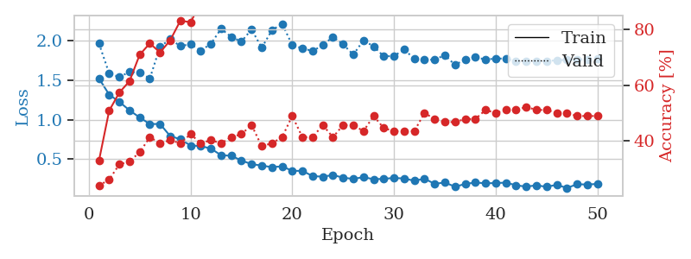
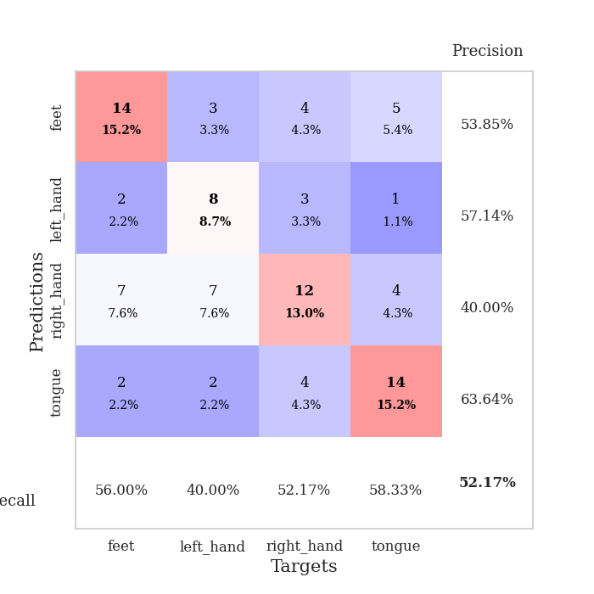
train_loss | valid_loss | train_accuracy | valid_accuracy | dur | train_misclass | valid_misclass
1.5221337598 | 1.9657012898 | 0.32880434783 | 0.23913043478 | 0.081224679947 | 32.880434783 | 23.913043478
1.3172875902 | 1.5856609293 | 0.50815217391 | 0.26086956522 | 0.080353498459 | 50.815217391 | 26.086956522
1.2258670952 | 1.5395900478 | 0.57336956522 | 0.3152173913 | 0.080025196075 | 57.336956522 | 31.52173913
1.1180204749 | 1.6058229519 | 0.61413043478 | 0.32608695652 | 0.080242872238 | 61.413043478 | 32.608695652
1.0271404023 | 1.5959892636 | 0.70923913043 | 0.35869565217 | 0.08017706871 | 70.923913043 | 35.869565217
0.94428344395 | 1.5213605813 | 0.75 | 0.41304347826 | 0.08009314537 | 75 | 41.304347826
0.94490327006 | 1.9250641232 | 0.71739130435 | 0.39130434783 | 0.080324888229 | 71.739130435 | 39.130434783
0.79186766821 | 2.0191921618 | 0.76086956522 | 0.40217391304 | 0.080436706543 | 76.086956522 | 40.217391304
0.75098611609 | 1.9334659784 | 0.83152173913 | 0.39130434783 | 0.08002114296 | 83.152173913 | 39.130434783
0.67202479554 | 1.955465436 | 0.82608695652 | 0.42391304348 | 0.080121994019 | 82.608695652 | 42.391304348
0.664640345 | 1.876276265 | 0.89402173913 | 0.39130434783 | 0.080556631088 | 89.402173913 | 39.130434783
0.63287861451 | 1.9603186483 | 0.8722826087 | 0.40217391304 | 0.08006978035 | 87.22826087 | 40.217391304
0.54870267666 | 2.1515041279 | 0.8777173913 | 0.39130434783 | 0.080437660217 | 87.77173913 | 39.130434783
0.54142487049 | 2.0502087811 | 0.90489130435 | 0.41304347826 | 0.080283880234 | 90.489130435 | 41.304347826
0.48213053138 | 1.9897771348 | 0.95652173913 | 0.42391304348 | 0.08048081398 | 95.652173913 | 42.391304348
0.43489655204 | 2.1437921472 | 0.93206521739 | 0.45652173913 | 0.080411434174 | 93.206521739 | 45.652173913
0.41768703836 | 1.9113903823 | 0.97282608696 | 0.38043478261 | 0.080432415009 | 97.282608696 | 38.043478261
0.39692172862 | 2.1331329864 | 0.95380434783 | 0.39130434783 | 0.080358028412 | 95.380434783 | 39.130434783
0.40786892046 | 2.2158836645 | 0.91847826087 | 0.41304347826 | 0.080249547958 | 91.847826087 | 41.304347826
0.35030249733 | 1.9464097904 | 0.97554347826 | 0.48913043478 | 0.080266952515 | 97.554347826 | 48.913043478
0.35017712997 | 1.9025416737 | 0.99456521739 | 0.41304347826 | 0.080904483795 | 99.456521739 | 41.304347826
0.28391532503 | 1.870550845 | 0.98913043478 | 0.41304347826 | 0.080207109451 | 98.913043478 | 41.304347826
0.27665203939 | 1.942948528 | 0.98641304348 | 0.45652173913 | 0.08035993576 | 98.641304348 | 45.652173913
0.29717115572 | 2.0499322466 | 0.9972826087 | 0.41304347826 | 0.080105066299 | 99.72826087 | 41.304347826
0.26405425467 | 1.9538174038 | 0.98913043478 | 0.45652173913 | 0.080588817596 | 98.913043478 | 45.652173913
0.24763812449 | 1.8245788294 | 1 | 0.45652173913 | 0.085624694824 | 100 | 45.652173913
0.27081479715 | 2.0040997267 | 0.9972826087 | 0.4347826087 | 0.08615899086 | 99.72826087 | 43.47826087
0.24385114209 | 1.9288199933 | 0.9972826087 | 0.48913043478 | 0.084806442261 | 99.72826087 | 48.913043478
0.2495126708 | 1.8017502246 | 1 | 0.44565217391 | 0.08592748642 | 100 | 44.565217391
0.2603542552 | 1.8073907935 | 0.9972826087 | 0.4347826087 | 0.085031032562 | 99.72826087 | 43.47826087
0.25336012892 | 1.8878343261 | 1 | 0.4347826087 | 0.090753316879 | 100 | 43.47826087
0.2248759477 | 1.773340246 | 1 | 0.4347826087 | 0.084587097168 | 100 | 43.47826087
0.25071525606 | 1.7600630936 | 1 | 0.5 | 0.085290670395 | 100 | 50
0.18561858603 | 1.7602393679 | 1 | 0.47826086957 | 0.086114406586 | 100 | 47.826086957
0.20257225309 | 1.8184746504 | 1 | 0.46739130435 | 0.081941366196 | 100 | 46.739130435
0.14943471316 | 1.6940616525 | 1 | 0.46739130435 | 0.07963681221 | 100 | 46.739130435
0.18357761674 | 1.7621707813 | 1 | 0.47826086957 | 0.079278707504 | 100 | 47.826086957
0.20254009622 | 1.7917384272 | 1 | 0.47826086957 | 0.07950592041 | 100 | 47.826086957
0.19213418663 | 1.7624109051 | 1 | 0.51086956522 | 0.079764127731 | 100 | 51.086956522
0.19567428821 | 1.7748565881 | 1 | 0.5 | 0.080226182938 | 100 | 50
0.20056060523 | 1.7742316775 | 1 | 0.51086956522 | 0.079797029495 | 100 | 51.086956522
0.1679061746 | 1.7384029471 | 1 | 0.51086956522 | 0.080139636993 | 100 | 51.086956522
0.14960578886 | 1.7369168686 | 1 | 0.52173913043 | 0.079866170883 | 100 | 52.173913043
0.16713014553 | 1.7432350231 | 1 | 0.51086956522 | 0.08034491539 | 100 | 51.086956522
0.14764054492 | 1.7437216147 | 1 | 0.51086956522 | 0.079711914062 | 100 | 51.086956522
0.17324209602 | 1.7521034168 | 1 | 0.5 | 0.079809427261 | 100 | 50
0.13294552169 | 1.7573668646 | 1 | 0.5 | 0.079720973969 | 100 | 50
0.18048424096 | 1.7623878821 | 1 | 0.48913043478 | 0.079999446869 | 100 | 48.913043478
0.17699951776 | 1.7665187587 | 1 | 0.48913043478 | 0.079770088196 | 100 | 48.913043478
0.18436679779 | 1.7694623833 | 1 | 0.48913043478 | 0.079980134964 | 100 | 48.913043478

Best Val accuracy is 0.5217391304347826 and Best test accuracy is 0.39655172413793105

Sheet6
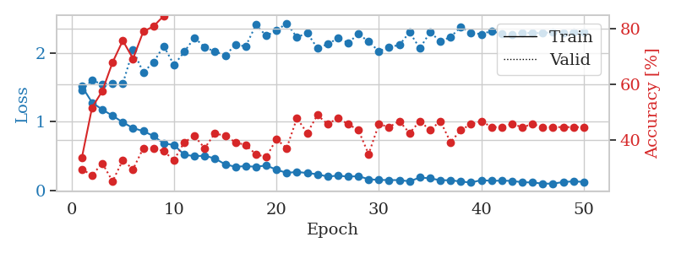
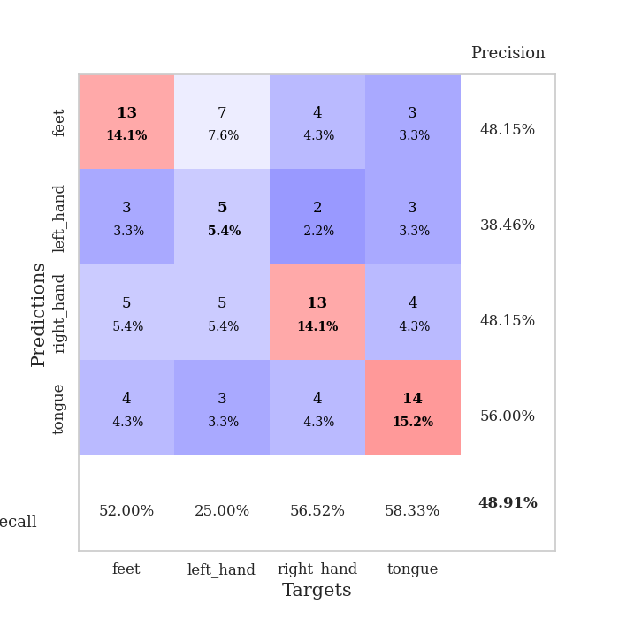
train_loss | valid_loss | train_accuracy | valid_accuracy | dur | train_misclass | valid_misclass
1.5144886711 | 1.4611708651 | 0.33423913043 | 0.29347826087 | 0.079273223877 | 33.423913043 | 29.347826087
1.2769246412 | 1.6007518302 | 0.51630434783 | 0.27173913043 | 0.079572439194 | 51.630434783 | 27.173913043
1.1739674159 | 1.5422223081 | 0.57608695652 | 0.3152173913 | 0.079350233078 | 57.608695652 | 31.52173913
1.085642654 | 1.5531511929 | 0.67934782609 | 0.25 | 0.079407691956 | 67.934782609 | 25
0.98937867517 | 1.5513410516 | 0.75815217391 | 0.32608695652 | 0.079032421112 | 75.815217391 | 32.608695652
0.90514197039 | 2.0412370174 | 0.69293478261 | 0.29347826087 | 0.079351663589 | 69.293478261 | 29.347826087
0.86143905313 | 1.7135399165 | 0.79076086957 | 0.36956521739 | 0.079595088959 | 79.076086957 | 36.956521739
0.78967020304 | 1.8642591964 | 0.8097826087 | 0.36956521739 | 0.083786487579 | 80.97826087 | 36.956521739
0.68166588182 | 2.0988282069 | 0.84782608696 | 0.35869565217 | 0.083427667618 | 84.782608696 | 35.869565217
0.66021645199 | 1.8216245796 | 0.91304347826 | 0.32608695652 | 0.08025598526 | 91.304347826 | 32.608695652
0.51837998369 | 2.0137879278 | 0.92663043478 | 0.39130434783 | 0.079982995987 | 92.663043478 | 39.130434783
0.49701623683 | 2.22062043 | 0.9375 | 0.41304347826 | 0.080119371414 | 93.75 | 41.304347826
0.50350874662 | 2.0798502746 | 0.95652173913 | 0.36956521739 | 0.080173015594 | 95.652173913 | 36.956521739
0.46248810252 | 2.0185286429 | 0.95923913043 | 0.42391304348 | 0.079781293869 | 95.923913043 | 42.391304348
0.37851015835 | 1.963975414 | 0.96739130435 | 0.41304347826 | 0.080118179321 | 96.739130435 | 41.304347826
0.34205995954 | 2.1145337924 | 0.98097826087 | 0.39130434783 | 0.080110549927 | 98.097826087 | 39.130434783
0.3529446274 | 2.0953769269 | 0.98097826087 | 0.38043478261 | 0.08003115654 | 98.097826087 | 38.043478261
0.34198252338 | 2.4067439152 | 0.97826086957 | 0.34782608696 | 0.079913854599 | 97.826086957 | 34.782608696
0.36226736463 | 2.2477185156 | 0.98641304348 | 0.33695652174 | 0.079849004745 | 98.641304348 | 33.695652174
0.30019985463 | 2.3220354992 | 0.99456521739 | 0.40217391304 | 0.079902887344 | 99.456521739 | 40.217391304
0.25429794581 | 2.4304543371 | 0.99184782609 | 0.36956521739 | 0.079639196396 | 99.184782609 | 36.956521739
0.26767966119 | 2.2256260592 | 0.98913043478 | 0.47826086957 | 0.079887151718 | 98.913043478 | 47.826086957
0.25201430431 | 2.2896891003 | 0.99456521739 | 0.42391304348 | 0.080276727676 | 99.456521739 | 42.391304348
0.23386856752 | 2.0671701639 | 0.99456521739 | 0.48913043478 | 0.082974433899 | 99.456521739 | 48.913043478
0.20000335169 | 2.1253740891 | 0.9972826087 | 0.45652173913 | 0.080190181732 | 99.72826087 | 45.652173913
0.21429320797 | 2.2117142211 | 1 | 0.47826086957 | 0.081433773041 | 100 | 47.826086957
0.19903984666 | 2.1463871469 | 1 | 0.45652173913 | 0.079540014267 | 100 | 45.652173913
0.20650535287 | 2.2713469993 | 1 | 0.4347826087 | 0.079414844513 | 100 | 43.47826087
0.16169659777 | 2.165166943 | 0.9972826087 | 0.34782608696 | 0.079574108124 | 99.72826087 | 34.782608696
0.15171848918 | 2.0215053455 | 0.9972826087 | 0.45652173913 | 0.079543828964 | 99.72826087 | 45.652173913
0.14936783149 | 2.0844358517 | 1 | 0.44565217391 | 0.07978272438 | 100 | 44.565217391
0.14918154948 | 2.1129535385 | 1 | 0.46739130435 | 0.079395294189 | 100 | 46.739130435
0.13130243924 | 2.299440669 | 1 | 0.42391304348 | 0.079580545425 | 100 | 42.391304348
0.18674052555 | 2.0653146454 | 1 | 0.46739130435 | 0.079859972 | 100 | 46.739130435
0.17487221203 | 2.2984446339 | 1 | 0.4347826087 | 0.079590797424 | 100 | 43.47826087
0.14672825907 | 2.1683305398 | 1 | 0.46739130435 | 0.079763650894 | 100 | 46.739130435
0.14710448456 | 2.2289082641 | 1 | 0.39130434783 | 0.079567432404 | 100 | 39.130434783
0.12790383431 | 2.3762694079 | 1 | 0.4347826087 | 0.079530000687 | 100 | 43.47826087
0.11334448259 | 2.2946696748 | 1 | 0.45652173913 | 0.079606056213 | 100 | 45.652173913
0.1488624416 | 2.2698018447 | 1 | 0.46739130435 | 0.079589605331 | 100 | 46.739130435
0.13785437373 | 2.3170180735 | 1 | 0.44565217391 | 0.079670667648 | 100 | 44.565217391
0.14159402518 | 2.2763289006 | 1 | 0.44565217391 | 0.079642772675 | 100 | 44.565217391
0.13694057411 | 2.2653695397 | 1 | 0.45652173913 | 0.079402208328 | 100 | 45.652173913
0.11781209586 | 2.2934581352 | 1 | 0.44565217391 | 0.079568624496 | 100 | 44.565217391
0.11444073839 | 2.2862089043 | 1 | 0.45652173913 | 0.079433917999 | 100 | 45.652173913
0.098077272834 | 2.2889498265 | 1 | 0.44565217391 | 0.079863548279 | 100 | 44.565217391
0.097544677879 | 2.2976654457 | 1 | 0.44565217391 | 0.079449415207 | 100 | 44.565217391
0.12072434787 | 2.2954099126 | 1 | 0.44565217391 | 0.079681634903 | 100 | 44.565217391
0.13102643224 | 2.2971277185 | 1 | 0.44565217391 | 0.079528570175 | 100 | 44.565217391
0.12234647945 | 2.2997201888 | 1 | 0.44565217391 | 0.081215143204 | 100 | 44.565217391

Best Val accuracy is 0.4891304347826087 and Best test accuracy is 0.3706896551724138

Sheet7
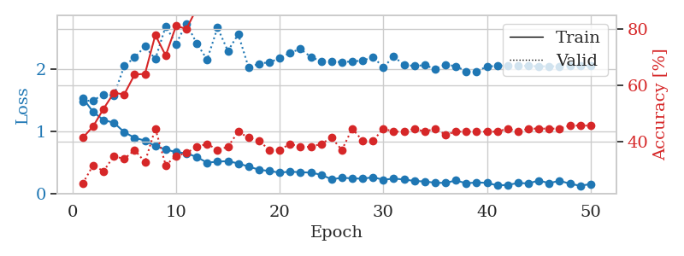
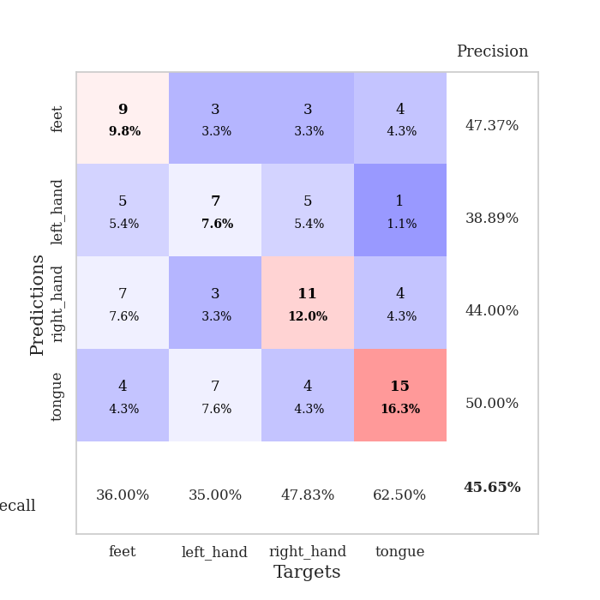
train_loss | valid_loss | train_accuracy | valid_accuracy | dur | train_misclass | valid_misclass
1.5316104163 | 1.4829485727 | 0.41304347826 | 0.25 | 0.080897331238 | 41.304347826 | 25
1.310180861 | 1.4971704846 | 0.45380434783 | 0.3152173913 | 0.079177379608 | 45.380434783 | 31.52173913
1.1814327162 | 1.5902189172 | 0.51630434783 | 0.29347826087 | 0.079798460007 | 51.630434783 | 29.347826087
1.1362963345 | 1.575238005 | 0.57336956522 | 0.34782608696 | 0.079798221588 | 57.336956522 | 34.782608696
0.98734649368 | 2.0477666596 | 0.56793478261 | 0.33695652174 | 0.079761743546 | 56.793478261 | 33.695652174
0.89478367308 | 2.1832863766 | 0.63858695652 | 0.36956521739 | 0.079624652863 | 63.858695652 | 36.956521739
0.85074576347 | 2.3645145997 | 0.64130434783 | 0.32608695652 | 0.079932451248 | 64.130434783 | 32.608695652
0.76228473238 | 2.1594080718 | 0.77989130435 | 0.44565217391 | 0.079877376556 | 77.989130435 | 44.565217391
0.70980488995 | 2.6845948592 | 0.70652173913 | 0.3152173913 | 0.079580307007 | 70.652173913 | 31.52173913
0.66430139023 | 2.4016931264 | 0.8125 | 0.34782608696 | 0.079648971558 | 81.25 | 34.782608696
0.64752851621 | 2.7303635763 | 0.80163043478 | 0.35869565217 | 0.079837799072 | 80.163043478 | 35.869565217
0.58716203596 | 2.4075955412 | 0.875 | 0.38043478261 | 0.08024430275 | 87.5 | 38.043478261
0.49582305551 | 2.1513566142 | 0.91576086957 | 0.39130434783 | 0.080070734024 | 91.576086957 | 39.130434783
0.51319574532 | 2.6639410309 | 0.86956521739 | 0.36956521739 | 0.080000400543 | 86.956521739 | 36.956521739
0.52059538598 | 2.2890279811 | 0.93206521739 | 0.38043478261 | 0.0797560215 | 93.206521739 | 38.043478261
0.48396910079 | 2.5572320275 | 0.90217391304 | 0.4347826087 | 0.079524755478 | 90.217391304 | 43.47826087
0.43342605492 | 2.0227447178 | 0.95923913043 | 0.41304347826 | 0.079552412033 | 95.923913043 | 41.304347826
0.38365561159 | 2.0852576287 | 0.98369565217 | 0.40217391304 | 0.079637289047 | 98.369565217 | 40.217391304
0.36179824368 | 2.1085761786 | 0.95923913043 | 0.36956521739 | 0.079792022705 | 95.923913043 | 36.956521739
0.33704431679 | 2.1699478782 | 0.98641304348 | 0.36956521739 | 0.07984495163 | 98.641304348 | 36.956521739
0.35186547073 | 2.2609263866 | 0.97282608696 | 0.39130434783 | 0.079857349396 | 97.282608696 | 39.130434783
0.34279458484 | 2.32074623 | 0.98641304348 | 0.38043478261 | 0.080088853836 | 98.641304348 | 38.043478261
0.33694951852 | 2.1940508355 | 0.97554347826 | 0.38043478261 | 0.079698562622 | 97.554347826 | 38.043478261
0.3019508862 | 2.1215046903 | 0.98097826087 | 0.39130434783 | 0.079629182816 | 98.097826087 | 39.130434783
0.23030838014 | 2.1254432046 | 0.9972826087 | 0.41304347826 | 0.079491376877 | 99.72826087 | 41.304347826
0.25333276229 | 2.1065675746 | 1 | 0.36956521739 | 0.079758167267 | 100 | 36.956521739
0.24485766661 | 2.1229732607 | 1 | 0.44565217391 | 0.079375743866 | 100 | 44.565217391
0.23880658785 | 2.1328323613 | 1 | 0.40217391304 | 0.079252481461 | 100 | 40.217391304
0.26218530374 | 2.1931376872 | 0.99456521739 | 0.40217391304 | 0.079345703125 | 99.456521739 | 40.217391304
0.22203521236 | 2.0269629022 | 0.9972826087 | 0.44565217391 | 0.079226016998 | 99.72826087 | 44.565217391
0.24018045904 | 2.1999867844 | 1 | 0.4347826087 | 0.079131364822 | 100 | 43.47826087
0.22661181475 | 2.0660516957 | 1 | 0.4347826087 | 0.088738203049 | 100 | 43.47826087
0.20232367386 | 2.0488961209 | 1 | 0.44565217391 | 0.083848953247 | 100 | 44.565217391
0.19446301363 | 2.0604361037 | 1 | 0.4347826087 | 0.083514451981 | 100 | 43.47826087
0.17365090095 | 2.0017064188 | 1 | 0.44565217391 | 0.078040361404 | 100 | 44.565217391
0.17136272772 | 2.0702769653 | 1 | 0.42391304348 | 0.078197002411 | 100 | 42.391304348
0.21115747191 | 2.0450618319 | 1 | 0.4347826087 | 0.078112602234 | 100 | 43.47826087
0.16438420927 | 1.9617965895 | 1 | 0.4347826087 | 0.07813501358 | 100 | 43.47826087
0.17949016627 | 1.9616873627 | 1 | 0.4347826087 | 0.078180551529 | 100 | 43.47826087
0.17183416029 | 2.0388804052 | 1 | 0.4347826087 | 0.078168392181 | 100 | 43.47826087
0.1311641776 | 2.0500983725 | 1 | 0.4347826087 | 0.078223705292 | 100 | 43.47826087
0.13914834109 | 2.0570426143 | 1 | 0.44565217391 | 0.078236579895 | 100 | 44.565217391
0.16977872699 | 2.0553025837 | 1 | 0.4347826087 | 0.078220367432 | 100 | 43.47826087
0.16352593089 | 2.0478550455 | 1 | 0.44565217391 | 0.078372001648 | 100 | 44.565217391
0.20940908482 | 2.0432627357 | 1 | 0.44565217391 | 0.078223466873 | 100 | 44.565217391
0.16692311365 | 2.0426216696 | 1 | 0.44565217391 | 0.078245162964 | 100 | 44.565217391
0.20560231287 | 2.0430127071 | 1 | 0.44565217391 | 0.078193426132 | 100 | 44.565217391
0.15824330695 | 2.0464747678 | 1 | 0.45652173913 | 0.078107118607 | 100 | 45.652173913
0.12476476816 | 2.0482667685 | 1 | 0.45652173913 | 0.078504562378 | 100 | 45.652173913
0.15348479427 | 2.0489153447 | 1 | 0.45652173913 | 0.078710317612 | 100 | 45.652173913

Best Val accuracy is 0.45652173913043476 and Best test accuracy is 0.46551724137931033

Sheet8
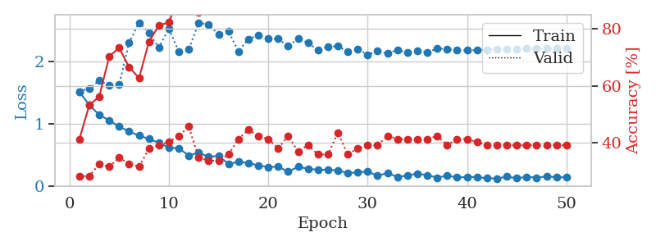
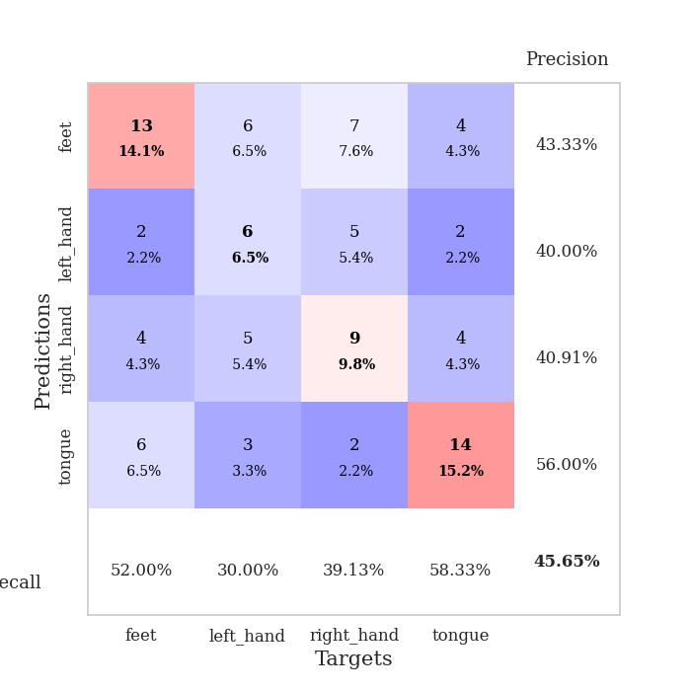
train_loss | valid_loss | train_accuracy | valid_accuracy | dur | train_misclass | valid_misclass
1.5105291501 | 1.5116557712 | 0.41304347826 | 0.28260869565 | 0.079576730728 | 41.304347826 | 28.260869565
1.2949549374 | 1.5658177241 | 0.53260869565 | 0.28260869565 | 0.078017950058 | 53.260869565 | 28.260869565
1.1397816228 | 1.6859615005 | 0.5625 | 0.32608695652 | 0.077700138092 | 56.25 | 32.608695652
1.0505785838 | 1.6150624597 | 0.70380434783 | 0.3152173913 | 0.078356981277 | 70.380434783 | 31.52173913
0.9533961804 | 1.6255982181 | 0.73369565217 | 0.34782608696 | 0.078025102615 | 73.369565217 | 34.782608696
0.87344045484 | 2.2921117026 | 0.66576086957 | 0.32608695652 | 0.077721118927 | 66.576086957 | 32.608695652
0.80706685004 | 2.6172474571 | 0.6277173913 | 0.3152173913 | 0.077828645706 | 62.77173913 | 31.52173913
0.75639097328 | 2.4487512267 | 0.75543478261 | 0.38043478261 | 0.078160047531 | 75.543478261 | 38.043478261
0.69117258295 | 2.218367644 | 0.8125 | 0.39130434783 | 0.078147888184 | 81.25 | 39.130434783
0.61429275248 | 2.5219839967 | 0.82336956522 | 0.40217391304 | 0.078138828278 | 82.336956522 | 40.217391304
0.60434494459 | 2.1491835895 | 0.91032608696 | 0.42391304348 | 0.078122854233 | 91.032608696 | 42.391304348
0.48892008481 | 2.1849503465 | 0.95380434783 | 0.45652173913 | 0.078141450882 | 95.380434783 | 45.652173913
0.53663744486 | 2.6163506923 | 0.85869565217 | 0.34782608696 | 0.078105211258 | 85.869565217 | 34.782608696
0.46699533579 | 2.5829678359 | 0.91847826087 | 0.33695652174 | 0.078157186508 | 91.847826087 | 33.695652174
0.48443276791 | 2.4310541101 | 0.92934782609 | 0.33695652174 | 0.079702377319 | 92.934782609 | 33.695652174
0.35380281411 | 2.4773655612 | 0.91032608696 | 0.35869565217 | 0.078047037125 | 91.032608696 | 35.869565217
0.39005625442 | 2.1569755647 | 0.97826086957 | 0.41304347826 | 0.07807302475 | 97.826086957 | 41.304347826
0.37108763081 | 2.3529452396 | 0.97826086957 | 0.44565217391 | 0.078126430511 | 97.826086957 | 44.565217391
0.32964401627 | 2.4124031119 | 0.96739130435 | 0.42391304348 | 0.078055381775 | 96.739130435 | 42.391304348
0.30602732495 | 2.3589385644 | 0.99456521739 | 0.41304347826 | 0.078139305115 | 99.456521739 | 41.304347826
0.31000702018 | 2.3568288502 | 0.99456521739 | 0.38043478261 | 0.078099727631 | 99.456521739 | 38.043478261
0.23186396192 | 2.2393385794 | 0.99184782609 | 0.42391304348 | 0.078063726425 | 99.184782609 | 42.391304348
0.3088160533 | 2.3604154328 | 0.9972826087 | 0.36956521739 | 0.07813167572 | 99.72826087 | 36.956521739
0.27695287991 | 2.2927726663 | 0.99456521739 | 0.39130434783 | 0.078107118607 | 99.456521739 | 39.130434783
0.2613579511 | 2.1779154746 | 0.99456521739 | 0.35869565217 | 0.078117847443 | 99.456521739 | 35.869565217
0.26134603471 | 2.2313005872 | 0.99456521739 | 0.35869565217 | 0.078142404556 | 99.456521739 | 35.869565217
0.25110133187 | 2.2379449399 | 0.9972826087 | 0.4347826087 | 0.07811331749 | 99.72826087 | 43.47826087
0.20909936418 | 2.1522634807 | 1 | 0.35869565217 | 0.078097820282 | 100 | 35.869565217
0.21981014846 | 2.1860009069 | 0.9972826087 | 0.38043478261 | 0.078088283539 | 99.72826087 | 38.043478261
0.23219797695 | 2.1039102337 | 1 | 0.39130434783 | 0.078141450882 | 100 | 39.130434783
0.16403799958 | 2.1585622197 | 1 | 0.39130434783 | 0.078082799911 | 100 | 39.130434783
0.20998677579 | 2.1249788533 | 1 | 0.42391304348 | 0.078167438507 | 100 | 42.391304348
0.1448407732 | 2.176965615 | 1 | 0.41304347826 | 0.078222036362 | 100 | 41.304347826
0.16965367807 | 2.1415684327 | 1 | 0.41304347826 | 0.078199148178 | 100 | 41.304347826
0.19852772695 | 2.1682279162 | 1 | 0.41304347826 | 0.078072309494 | 100 | 41.304347826
0.17490896259 | 2.1415977271 | 1 | 0.41304347826 | 0.079938650131 | 100 | 41.304347826
0.136727324 | 2.201231122 | 1 | 0.42391304348 | 0.078449249268 | 100 | 42.391304348
0.16658289277 | 2.1915178247 | 1 | 0.39130434783 | 0.078303337097 | 100 | 39.130434783
0.13968997449 | 2.1797922383 | 1 | 0.41304347826 | 0.078563213348 | 100 | 41.304347826
0.14353173955 | 2.1718809553 | 1 | 0.41304347826 | 0.078562736511 | 100 | 41.304347826
0.14584650391 | 2.1764081198 | 1 | 0.40217391304 | 0.078530550003 | 100 | 40.217391304
0.125741098 | 2.1842846611 | 1 | 0.39130434783 | 0.078611135483 | 100 | 39.130434783
0.1206576267 | 2.1946193757 | 1 | 0.39130434783 | 0.07862663269 | 100 | 39.130434783
0.1515720749 | 2.1955710235 | 1 | 0.39130434783 | 0.07861661911 | 100 | 39.130434783
0.12438156747 | 2.1926585021 | 1 | 0.39130434783 | 0.078585147858 | 100 | 39.130434783
0.1494780868 | 2.1993797499 | 1 | 0.39130434783 | 0.078533172607 | 100 | 39.130434783
0.13526888289 | 2.1990690698 | 1 | 0.39130434783 | 0.078609704971 | 100 | 39.130434783
0.15481223393 | 2.2039693387 | 1 | 0.39130434783 | 0.078658103943 | 100 | 39.130434783
0.14325103237 | 2.2065760571 | 1 | 0.39130434783 | 0.07855463028 | 100 | 39.130434783
0.14007270085 | 2.2086664697 | 1 | 0.39130434783 | 0.078931570053 | 100 | 39.130434783

Best Val accuracy is 0.45652173913043476 and Best test accuracy is 0.3448275862068966

Sheet9
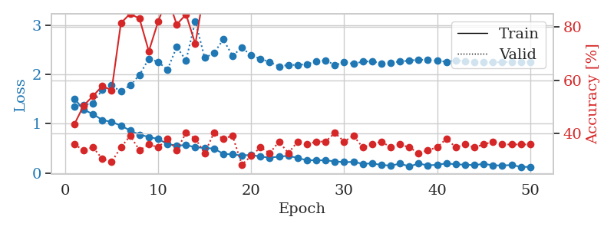
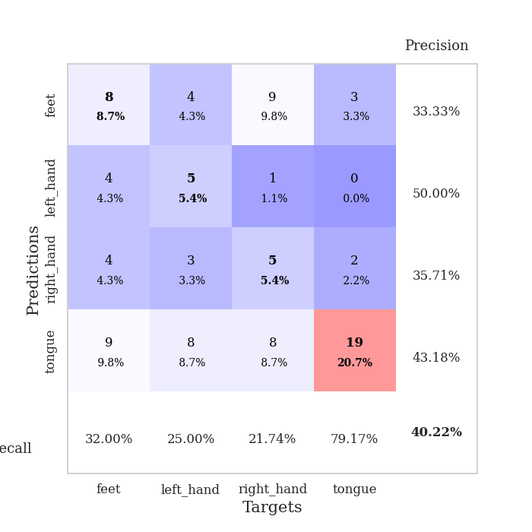
train_loss | valid_loss | train_accuracy | valid_accuracy | dur | train_misclass | valid_misclass
1.5059602623 | 1.3488540027 | 0.4347826087 | 0.35869565217 | 0.079038143158 | 43.47826087 | 35.869565217
1.2854498625 | 1.3826154885 | 0.50543478261 | 0.33695652174 | 0.07875084877 | 50.543478261 | 33.695652174
1.1921414241 | 1.4147082619 | 0.54076086957 | 0.34782608696 | 0.078756093979 | 54.076086957 | 34.782608696
1.0744710487 | 1.6899548873 | 0.57880434783 | 0.30434782609 | 0.078742265701 | 57.880434783 | 30.434782609
1.0354281742 | 1.7738129574 | 0.5625 | 0.29347826087 | 0.07836151123 | 56.25 | 29.347826087
0.96032730134 | 1.6521982058 | 0.8152173913 | 0.34782608696 | 0.078822135925 | 81.52173913 | 34.782608696
0.86084486609 | 1.7774736933 | 0.85054347826 | 0.39130434783 | 0.078639507294 | 85.054347826 | 39.130434783
0.77554029874 | 1.9887356447 | 0.83152173913 | 0.33695652174 | 0.079080343246 | 83.152173913 | 33.695652174
0.7318846376 | 2.3143910377 | 0.70923913043 | 0.35869565217 | 0.078620433807 | 70.923913043 | 35.869565217
0.6886342129 | 2.2533256437 | 0.82065217391 | 0.34782608696 | 0.078667402267 | 82.065217391 | 34.782608696
0.58925452828 | 2.093257847 | 0.91304347826 | 0.38043478261 | 0.078702449799 | 91.304347826 | 38.043478261
0.55174503508 | 2.5551932998 | 0.8097826087 | 0.33695652174 | 0.078695774078 | 80.97826087 | 33.695652174
0.56910670581 | 2.2822318855 | 0.84782608696 | 0.40217391304 | 0.078672885895 | 84.782608696 | 40.217391304
0.52030418101 | 3.0789783001 | 0.73641304348 | 0.38043478261 | 0.078781843185 | 73.641304348 | 38.043478261
0.50863402564 | 2.3357051663 | 0.94565217391 | 0.32608695652 | 0.078361749649 | 94.565217391 | 32.608695652
0.49463547118 | 2.4270627291 | 0.95380434783 | 0.40217391304 | 0.078730583191 | 95.380434783 | 40.217391304
0.39033458673 | 2.7079613779 | 0.91576086957 | 0.38043478261 | 0.078668832779 | 91.576086957 | 38.043478261
0.37538151897 | 2.3756937359 | 0.98097826087 | 0.39130434783 | 0.078321695328 | 98.097826087 | 39.130434783
0.35579929663 | 2.5413218685 | 0.97010869565 | 0.28260869565 | 0.078343629837 | 97.010869565 | 28.260869565
0.36670816593 | 2.3853810766 | 0.98913043478 | 0.3152173913 | 0.078421354294 | 98.913043478 | 31.52173913
0.33194801082 | 2.314961791 | 0.98913043478 | 0.34782608696 | 0.078564882278 | 98.913043478 | 34.782608696
0.31239956358 | 2.2469141172 | 0.98913043478 | 0.32608695652 | 0.079019069672 | 98.913043478 | 32.608695652
0.33117895476 | 2.1619818573 | 0.9972826087 | 0.36956521739 | 0.079045295715 | 99.72826087 | 36.956521739
0.34939219576 | 2.1885593456 | 0.9972826087 | 0.32608695652 | 0.078661441803 | 99.72826087 | 32.608695652
0.30407637682 | 2.1914273397 | 0.99184782609 | 0.36956521739 | 0.078751325607 | 99.184782609 | 36.956521739
0.25884489294 | 2.2046516978 | 1 | 0.35869565217 | 0.078443527222 | 100 | 35.869565217
0.25870701314 | 2.2617842322 | 0.9972826087 | 0.36956521739 | 0.078350067139 | 99.72826087 | 36.956521739
0.25756681905 | 2.2852608691 | 1 | 0.36956521739 | 0.078363656998 | 100 | 36.956521739
0.23523914652 | 2.1886629488 | 1 | 0.40217391304 | 0.078832864761 | 100 | 40.217391304
0.21989990803 | 2.2403909331 | 1 | 0.36956521739 | 0.078277349472 | 100 | 36.956521739
0.22489576949 | 2.215923667 | 1 | 0.39130434783 | 0.078604698181 | 100 | 39.130434783
0.18653932262 | 2.2558845748 | 1 | 0.34782608696 | 0.078871250153 | 100 | 34.782608696
0.1940900055 | 2.2649820266 | 1 | 0.35869565217 | 0.078808307648 | 100 | 35.869565217
0.16368296645 | 2.2200329822 | 1 | 0.36956521739 | 0.078651666641 | 100 | 36.956521739
0.1490559829 | 2.2295814493 | 1 | 0.34782608696 | 0.078701972961 | 100 | 34.782608696
0.18885008521 | 2.2634059087 | 1 | 0.35869565217 | 0.078564882278 | 100 | 35.869565217
0.13488217443 | 2.2745465403 | 1 | 0.34782608696 | 0.078670740128 | 100 | 34.782608696
0.18942381401 | 2.3011584178 | 1 | 0.32608695652 | 0.078577041626 | 100 | 32.608695652
0.15621163016 | 2.2886382497 | 1 | 0.33695652174 | 0.078719139099 | 100 | 33.695652174
0.16498470063 | 2.2779227651 | 1 | 0.34782608696 | 0.078778266907 | 100 | 34.782608696
0.19605137975 | 2.2533124219 | 1 | 0.38043478261 | 0.078639984131 | 100 | 38.043478261
0.17453989937 | 2.2845200352 | 1 | 0.34782608696 | 0.078673601151 | 100 | 34.782608696
0.16972989913 | 2.2701886115 | 1 | 0.35869565217 | 0.078528642654 | 100 | 35.869565217
0.15924934589 | 2.2553246436 | 1 | 0.34782608696 | 0.077974796295 | 100 | 34.782608696
0.18660959861 | 2.242292995 | 1 | 0.35869565217 | 0.07851266861 | 100 | 35.869565217
0.15526905202 | 2.2417217338 | 1 | 0.36956521739 | 0.078550338745 | 100 | 36.956521739
0.15352915519 | 2.2472047495 | 1 | 0.35869565217 | 0.078848600388 | 100 | 35.869565217
0.16045409392 | 2.2504831293 | 1 | 0.35869565217 | 0.078793525696 | 100 | 35.869565217
0.12538952688 | 2.2524655902 | 1 | 0.35869565217 | 0.078739643097 | 100 | 35.869565217
0.12287676075 | 2.2529331601 | 1 | 0.35869565217 | 0.078505754471 | 100 | 35.869565217

Best Val accuracy is 0.40217391304347827 and Best test accuracy is 0.35344827586206895

Sheet10
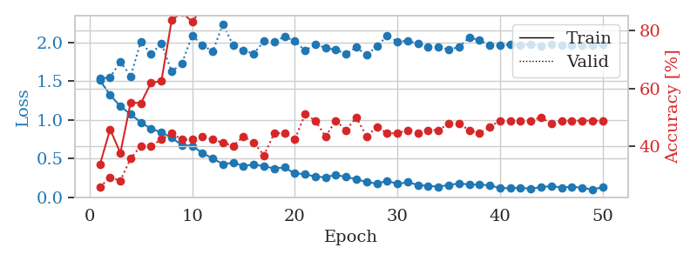
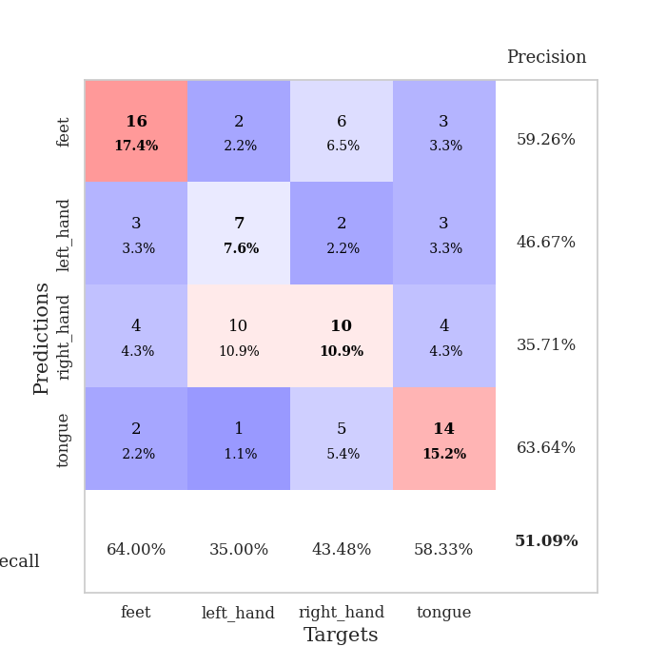
train_loss | valid_loss | train_accuracy | valid_accuracy | dur | train_misclass | valid_misclass
1.5101245072 | 1.5301567368 | 0.33695652174 | 0.26086956522 | 0.07954287529 | 33.695652174 | 26.086956522
1.3195351829 | 1.5476135223 | 0.45923913043 | 0.29347826087 | 0.078659057617 | 45.923913043 | 29.347826087
1.1738103162 | 1.7496094548 | 0.3777173913 | 0.28260869565 | 0.079942703247 | 37.77173913 | 28.260869565
1.070007928 | 1.5625706496 | 0.55163043478 | 0.35869565217 | 0.08011507988 | 55.163043478 | 35.869565217
0.96570027911 | 2.009794598 | 0.54891304348 | 0.40217391304 | 0.07867026329 | 54.891304348 | 40.217391304
0.88118801169 | 1.8452306208 | 0.61956521739 | 0.40217391304 | 0.078850507736 | 61.956521739 | 40.217391304
0.83860167991 | 1.9882700495 | 0.625 | 0.42391304348 | 0.080346345901 | 62.5 | 42.391304348
0.76635923075 | 1.6205164142 | 0.83423913043 | 0.44565217391 | 0.078355312347 | 83.423913043 | 44.565217391
0.67164176573 | 1.7286094427 | 0.86141304348 | 0.42391304348 | 0.077847480774 | 86.141304348 | 42.391304348
0.66386988111 | 2.0846467122 | 0.82880434783 | 0.42391304348 | 0.077935934067 | 82.880434783 | 42.391304348
0.56881073117 | 1.9656947126 | 0.8777173913 | 0.4347826087 | 0.07821559906 | 87.77173913 | 43.47826087
0.49968222691 | 1.8800080911 | 0.93206521739 | 0.42391304348 | 0.07818031311 | 93.206521739 | 42.391304348
0.42536980626 | 2.2370874571 | 0.89945652174 | 0.41304347826 | 0.079066753387 | 89.945652174 | 41.304347826
0.44482629455 | 1.956800834 | 0.9402173913 | 0.40217391304 | 0.078802347183 | 94.02173913 | 40.217391304
0.40178775269 | 1.8914811197 | 0.97554347826 | 0.4347826087 | 0.078691720963 | 97.554347826 | 43.47826087
0.42194192435 | 1.8538853552 | 0.98641304348 | 0.41304347826 | 0.078701496124 | 98.641304348 | 41.304347826
0.397756894 | 2.0143317917 | 0.98913043478 | 0.36956521739 | 0.078964710236 | 98.913043478 | 36.956521739
0.37171072804 | 2.0054284645 | 0.97826086957 | 0.44565217391 | 0.078721284866 | 97.826086957 | 44.565217391
0.38327956459 | 2.0737494127 | 0.98097826087 | 0.44565217391 | 0.078172683716 | 98.097826087 | 44.565217391
0.30516656488 | 2.0148565562 | 0.98097826087 | 0.42391304348 | 0.078279256821 | 98.097826087 | 42.391304348
0.29979745849 | 1.8920627366 | 0.9972826087 | 0.51086956522 | 0.078289747238 | 99.72826087 | 51.086956522
0.26117992628 | 1.9729203867 | 0.98369565217 | 0.48913043478 | 0.088833332062 | 98.369565217 | 48.913043478
0.25934411618 | 1.9290367313 | 0.9972826087 | 0.4347826087 | 0.087392568588 | 99.72826087 | 43.47826087
0.28562538974 | 1.9003308856 | 1 | 0.48913043478 | 0.081101179123 | 100 | 48.913043478
0.26070600538 | 1.8515423122 | 0.98913043478 | 0.45652173913 | 0.08015871048 | 98.913043478 | 45.652173913
0.23160287705 | 1.9352267566 | 0.98641304348 | 0.5 | 0.081691503525 | 98.641304348 | 50
0.19557401392 | 1.83373289 | 0.9972826087 | 0.4347826087 | 0.079665899277 | 99.72826087 | 43.47826087
0.17381388313 | 1.949408101 | 0.99456521739 | 0.46739130435 | 0.081153392792 | 99.456521739 | 46.739130435
0.21122716675 | 2.0812841602 | 0.9972826087 | 0.44565217391 | 0.079780817032 | 99.72826087 | 44.565217391
0.16967175545 | 2.0096408232 | 0.9972826087 | 0.44565217391 | 0.079611063004 | 99.72826087 | 44.565217391
0.19308796331 | 2.0184192968 | 1 | 0.45652173913 | 0.079493999481 | 100 | 45.652173913
0.1571317077 | 1.9814971789 | 1 | 0.44565217391 | 0.079610824585 | 100 | 44.565217391
0.14584956634 | 1.9369650613 | 1 | 0.45652173913 | 0.079572677612 | 100 | 45.652173913
0.13457872476 | 1.9446405535 | 1 | 0.45652173913 | 0.079792976379 | 100 | 45.652173913
0.15721809119 | 1.9051232493 | 1 | 0.47826086957 | 0.079473972321 | 100 | 47.826086957
0.17665889211 | 1.9396841267 | 1 | 0.47826086957 | 0.079854249954 | 100 | 47.826086957
0.16389317697 | 2.062279836 | 0.9972826087 | 0.45652173913 | 0.079774141312 | 99.72826087 | 45.652173913
0.16020898035 | 2.0280501791 | 1 | 0.44565217391 | 0.079661846161 | 100 | 44.565217391
0.15247273299 | 1.9596422392 | 1 | 0.46739130435 | 0.079793214798 | 100 | 46.739130435
0.11721114936 | 1.9651856785 | 1 | 0.48913043478 | 0.079555273056 | 100 | 48.913043478
0.11683914616 | 1.9678449683 | 1 | 0.48913043478 | 0.079483509064 | 100 | 48.913043478
0.11946008986 | 1.9656140649 | 1 | 0.48913043478 | 0.08186841011 | 100 | 48.913043478
0.10938280764 | 1.9727524934 | 1 | 0.48913043478 | 0.080468654633 | 100 | 48.913043478
0.12719094008 | 1.9561222688 | 1 | 0.5 | 0.07971739769 | 100 | 50
0.14323973842 | 1.9712660364 | 1 | 0.47826086957 | 0.079629898071 | 100 | 47.826086957
0.1233581047 | 1.9656909445 | 1 | 0.48913043478 | 0.079489707947 | 100 | 48.913043478
0.13531272534 | 1.9650854702 | 1 | 0.48913043478 | 0.079478502274 | 100 | 48.913043478
0.11961032394 | 1.9674765079 | 1 | 0.48913043478 | 0.079381465912 | 100 | 48.913043478
0.099332472067 | 1.9671644439 | 1 | 0.48913043478 | 0.078994512558 | 100 | 48.913043478
0.12751053938 | 1.9688544844 | 1 | 0.48913043478 | 0.079394817352 | 100 | 48.913043478

Best Val accuracy is 0.5108695652173914 and Best test accuracy is 0.4051724137931034

