Sheet
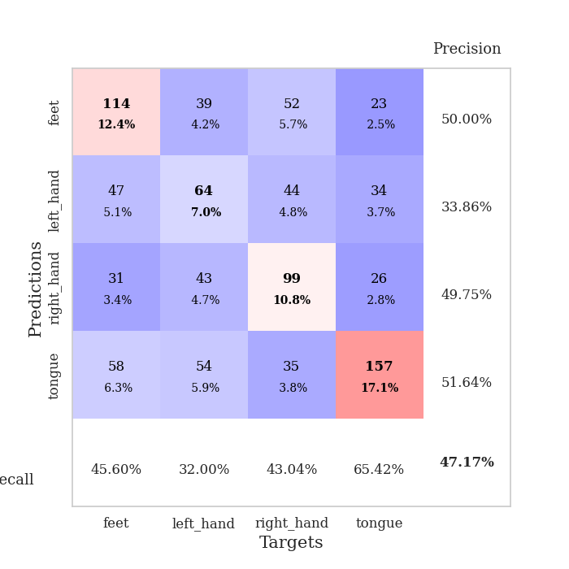
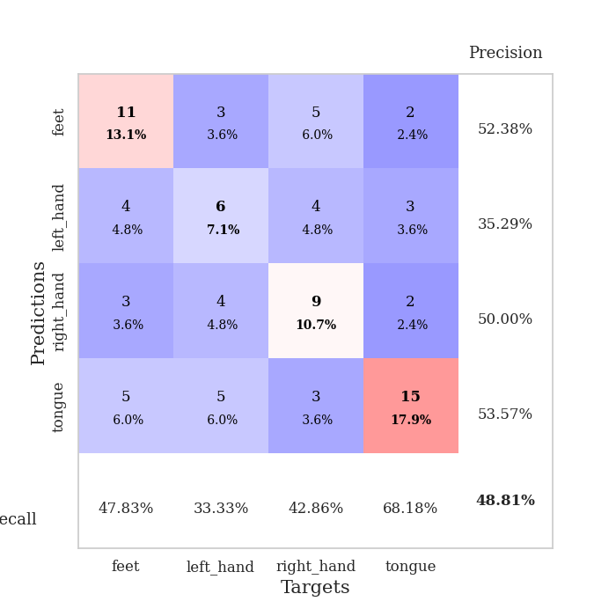
best_val_acc | best_val_los | best_test_acc
0.44565217391 | 1.4396600464 | 0.50862068966
0.48913043478 | 1.3022420925 | 0.43103448276
0.48913043478 | 1.4418897992 | 0.37931034483
0.52173913043 | 1.4357797944 | 0.39655172414
0.46739130435 | 1.3966751099 | 0.43965517241
0.48913043478 | 1.4486680031 | 0.31034482759
0.4347826087 | 1.3895999504 | 0.53448275862
0.4347826087 | 1.5054111014 | 0.4224137931
0.46739130435 | 1.7968174841 | 0.46551724138
0.47826086957 | 1.3521860942 | 0.43103448276

Mean,std Val accuracy is 0.4717391304347826 , 0.02768836691962725 and mean, std test accuracy is 0.431896551724138 , 0.06366742305415268

Sheet1
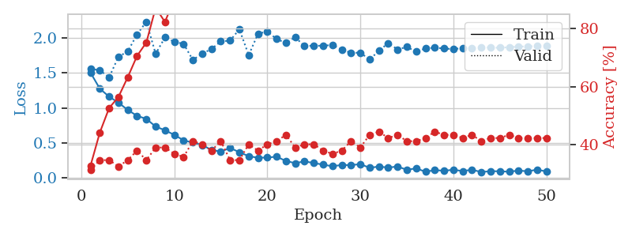
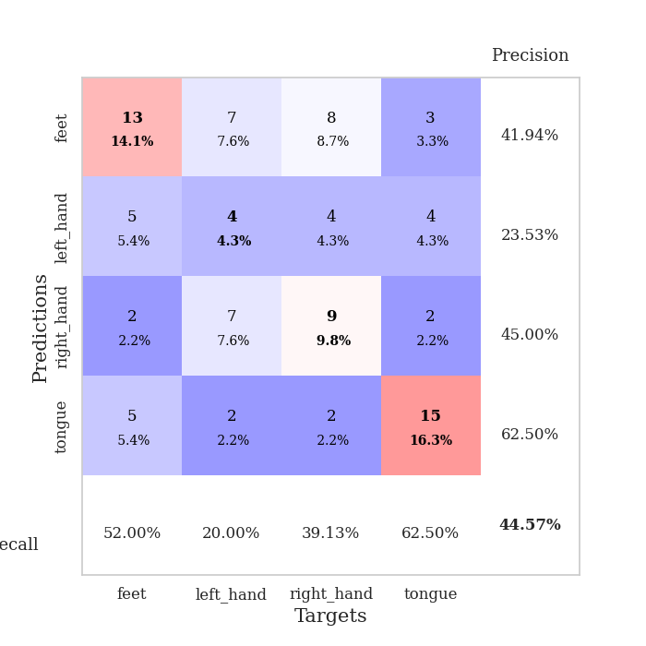
train_loss | valid_loss | train_accuracy | valid_accuracy | dur | train_misclass | valid_misclass
1.5057232328 | 1.5613581564 | 0.32880434783 | 0.3152173913 | 0.08485865593 | 32.880434783 | 31.52173913
1.2760153231 | 1.5390698651 | 0.44293478261 | 0.34782608696 | 0.079721927643 | 44.293478261 | 34.782608696
1.1617709139 | 1.4396600464 | 0.52717391304 | 0.34782608696 | 0.079841852188 | 52.717391304 | 34.782608696
1.0770824189 | 1.7333756944 | 0.5652173913 | 0.32608695652 | 0.081671953201 | 56.52173913 | 32.608695652
0.97141934219 | 1.8096495452 | 0.63315217391 | 0.34782608696 | 0.080825805664 | 63.315217391 | 34.782608696
0.88772282652 | 2.0541793989 | 0.70652173913 | 0.38043478261 | 0.080613851547 | 70.652173913 | 38.043478261
0.84358566222 | 2.2352146221 | 0.7527173913 | 0.34782608696 | 0.080720901489 | 75.27173913 | 34.782608696
0.73390985831 | 1.775681221 | 0.8722826087 | 0.39130434783 | 0.081383943558 | 87.22826087 | 39.130434783
0.68078974667 | 2.0103974394 | 0.82336956522 | 0.39130434783 | 0.080651283264 | 82.336956522 | 39.130434783
0.61522938117 | 1.947766983 | 0.90217391304 | 0.36956521739 | 0.080722570419 | 90.217391304 | 36.956521739
0.53671387097 | 1.9180241305 | 0.9347826087 | 0.35869565217 | 0.080657243729 | 93.47826087 | 35.869565217
0.50460846463 | 1.6883862796 | 0.91576086957 | 0.41304347826 | 0.080431938171 | 91.576086957 | 41.304347826
0.46961702925 | 1.778337235 | 0.95380434783 | 0.40217391304 | 0.080238342285 | 95.380434783 | 40.217391304
0.39897208305 | 1.8449715169 | 0.96195652174 | 0.38043478261 | 0.080342769623 | 96.195652174 | 38.043478261
0.37597170343 | 1.9533439771 | 0.92391304348 | 0.41304347826 | 0.080535173416 | 92.391304348 | 41.304347826
0.42715307973 | 1.9647087999 | 0.97282608696 | 0.34782608696 | 0.080600500107 | 97.282608696 | 34.782608696
0.3668298663 | 2.1279345958 | 0.96467391304 | 0.34782608696 | 0.080296516418 | 96.467391304 | 34.782608696
0.3096418912 | 1.7564463564 | 0.96467391304 | 0.40217391304 | 0.080430984497 | 96.467391304 | 40.217391304
0.28752022528 | 2.0630682344 | 0.98369565217 | 0.38043478261 | 0.080322265625 | 98.369565217 | 38.043478261
0.29011950286 | 2.0960348845 | 0.99456521739 | 0.40217391304 | 0.080562353134 | 99.456521739 | 40.217391304
0.30239950542 | 1.986948117 | 1 | 0.41304347826 | 0.080340385437 | 100 | 41.304347826
0.24121157857 | 1.9318518224 | 0.99456521739 | 0.4347826087 | 0.080626249313 | 99.456521739 | 43.47826087
0.20955435575 | 2.0125855985 | 1 | 0.39130434783 | 0.082953453064 | 100 | 39.130434783
0.23574399592 | 1.8865519192 | 0.99184782609 | 0.40217391304 | 0.080674171448 | 99.184782609 | 40.217391304
0.21088100354 | 1.8925090406 | 1 | 0.40217391304 | 0.080485105515 | 100 | 40.217391304
0.18898933737 | 1.8906569947 | 0.99184782609 | 0.38043478261 | 0.0806183815 | 99.184782609 | 38.043478261
0.16499302002 | 1.9034449329 | 0.9972826087 | 0.36956521739 | 0.080537557602 | 99.72826087 | 36.956521739
0.18423375641 | 1.8365088131 | 1 | 0.38043478261 | 0.080485582352 | 100 | 38.043478261
0.18080884866 | 1.7901087999 | 1 | 0.41304347826 | 0.08041882515 | 100 | 41.304347826
0.19691826905 | 1.7915290335 | 1 | 0.39130434783 | 0.080609083176 | 100 | 39.130434783
0.14246870901 | 1.693791094 | 0.9972826087 | 0.4347826087 | 0.080091238022 | 99.72826087 | 43.47826087
0.16181143017 | 1.8190432061 | 1 | 0.44565217391 | 0.080476999283 | 100 | 44.565217391
0.14567248086 | 1.9292936999 | 1 | 0.42391304348 | 0.080553293228 | 100 | 42.391304348
0.16242322779 | 1.8387049592 | 1 | 0.4347826087 | 0.080358982086 | 100 | 43.47826087
0.11373670634 | 1.874083037 | 1 | 0.41304347826 | 0.080625772476 | 100 | 41.304347826
0.13579271078 | 1.8064780028 | 1 | 0.41304347826 | 0.080527067184 | 100 | 41.304347826
0.086484118486 | 1.8523745744 | 1 | 0.42391304348 | 0.080435991287 | 100 | 42.391304348
0.10983238709 | 1.8637097607 | 1 | 0.44565217391 | 0.080260038376 | 100 | 44.565217391
0.10084961501 | 1.8519920836 | 1 | 0.4347826087 | 0.080786943436 | 100 | 43.47826087
0.11496330296 | 1.8430291622 | 1 | 0.4347826087 | 0.080400466919 | 100 | 43.47826087
0.096792643971 | 1.8583373142 | 1 | 0.42391304348 | 0.080505847931 | 100 | 42.391304348
0.11508607577 | 1.8559338165 | 1 | 0.4347826087 | 0.080415010452 | 100 | 43.47826087
0.082793018902 | 1.8715719555 | 1 | 0.41304347826 | 0.080588579178 | 100 | 41.304347826
0.094938305328 | 1.8639570267 | 1 | 0.42391304348 | 0.080605745316 | 100 | 42.391304348
0.093619655696 | 1.8632416725 | 1 | 0.42391304348 | 0.080425024033 | 100 | 42.391304348
0.086961693454 | 1.8699624849 | 1 | 0.4347826087 | 0.080693483353 | 100 | 43.47826087
0.10418726293 | 1.8797329457 | 1 | 0.42391304348 | 0.080440759659 | 100 | 42.391304348
0.092726761718 | 1.8822853202 | 1 | 0.42391304348 | 0.080489635468 | 100 | 42.391304348
0.11731859552 | 1.8859789734 | 1 | 0.42391304348 | 0.080461740494 | 100 | 42.391304348
0.090020208498 | 1.8882788368 | 1 | 0.42391304348 | 0.080322980881 | 100 | 42.391304348

Best Val accuracy is 0.44565217391304346 and Best test accuracy is 0.5086206896551724

Sheet2
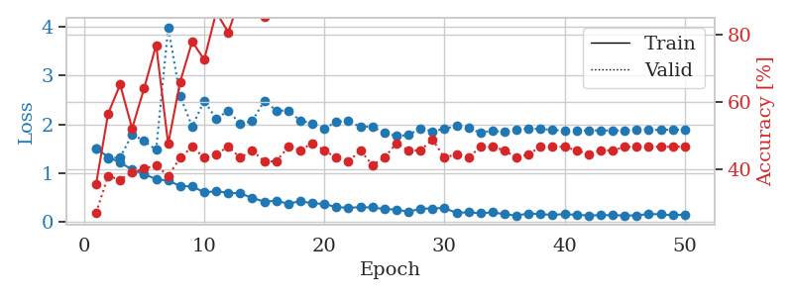
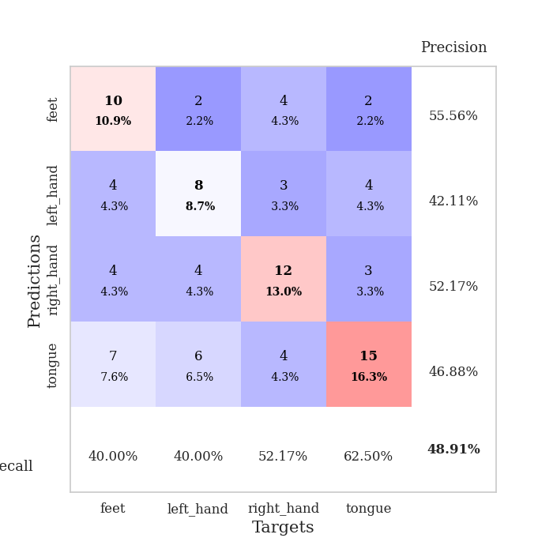
train_loss | valid_loss | train_accuracy | valid_accuracy | dur | train_misclass | valid_misclass
1.5051206298 | 1.509865569 | 0.35597826087 | 0.27173913043 | 0.080632686615 | 35.597826087 | 27.173913043
1.3275867286 | 1.3022420925 | 0.5652173913 | 0.38043478261 | 0.079340696335 | 56.52173913 | 38.043478261
1.2104124453 | 1.3153752244 | 0.65217391304 | 0.36956521739 | 0.079144954681 | 65.217391304 | 36.956521739
1.0679241367 | 1.7912948857 | 0.52173913043 | 0.39130434783 | 0.079454421997 | 52.173913043 | 39.130434783
0.97257645493 | 1.6564730613 | 0.64130434783 | 0.40217391304 | 0.079566955566 | 64.130434783 | 40.217391304
0.86989640153 | 1.4713249466 | 0.76902173913 | 0.41304347826 | 0.079512357712 | 76.902173913 | 41.304347826
0.83870295079 | 3.997249313 | 0.47554347826 | 0.38043478261 | 0.07964849472 | 47.554347826 | 38.043478261
0.72970751058 | 2.5768173363 | 0.66032608696 | 0.4347826087 | 0.07937169075 | 66.032608696 | 43.47826087
0.72086591565 | 1.9528679381 | 0.77989130435 | 0.46739130435 | 0.079475879669 | 77.989130435 | 46.739130435
0.59816210166 | 2.4865792212 | 0.72554347826 | 0.4347826087 | 0.079572916031 | 72.554347826 | 43.47826087
0.62129413434 | 2.1052292326 | 0.86684782609 | 0.44565217391 | 0.079559087753 | 86.684782609 | 44.565217391
0.58908099843 | 2.2842461856 | 0.80706521739 | 0.46739130435 | 0.079928636551 | 80.706521739 | 46.739130435
0.57646431223 | 2.0013174337 | 0.91032608696 | 0.4347826087 | 0.079444169998 | 91.032608696 | 43.47826087
0.48530744794 | 2.0708848238 | 0.92391304348 | 0.45652173913 | 0.079430580139 | 92.391304348 | 45.652173913
0.40602966301 | 2.4826217268 | 0.85326086957 | 0.42391304348 | 0.079386711121 | 85.326086957 | 42.391304348
0.42611748304 | 2.2838687845 | 0.95108695652 | 0.42391304348 | 0.079374074936 | 95.108695652 | 42.391304348
0.36313202265 | 2.2793057742 | 0.96739130435 | 0.46739130435 | 0.079496383667 | 96.739130435 | 46.739130435
0.41774583705 | 2.0741379935 | 0.97826086957 | 0.45652173913 | 0.079612731934 | 97.826086957 | 45.652173913
0.37196290817 | 2.0181768718 | 0.95923913043 | 0.47826086957 | 0.079739332199 | 95.923913043 | 47.826086957
0.3609724589 | 1.9036963452 | 0.98913043478 | 0.45652173913 | 0.079799175262 | 98.913043478 | 45.652173913
0.29356812329 | 2.0543615352 | 0.98913043478 | 0.4347826087 | 0.079814434052 | 98.913043478 | 43.47826087
0.28209637721 | 2.0634559341 | 0.99456521739 | 0.42391304348 | 0.079607725143 | 99.456521739 | 42.391304348
0.29189274266 | 1.9509893293 | 0.99456521739 | 0.45652173913 | 0.079681158066 | 99.456521739 | 45.652173913
0.28855294961 | 1.9499068157 | 0.99184782609 | 0.41304347826 | 0.079622268677 | 99.184782609 | 41.304347826
0.2539468291 | 1.8169846587 | 1 | 0.4347826087 | 0.079609870911 | 100 | 43.47826087
0.24529901309 | 1.7592856055 | 1 | 0.47826086957 | 0.079623699188 | 100 | 47.826086957
0.19922963173 | 1.7772038968 | 1 | 0.45652173913 | 0.082102775574 | 100 | 45.652173913
0.26119198197 | 1.9184127528 | 0.98913043478 | 0.45652173913 | 0.082003831863 | 98.913043478 | 45.652173913
0.26685121445 | 1.8563322036 | 0.99456521739 | 0.48913043478 | 0.079113483429 | 99.456521739 | 48.913043478
0.27680951486 | 1.9078214531 | 1 | 0.4347826087 | 0.079378128052 | 100 | 43.47826087
0.17452608438 | 1.9635364076 | 1 | 0.44565217391 | 0.079194545746 | 100 | 44.565217391
0.19047469257 | 1.9227606317 | 1 | 0.4347826087 | 0.079887151718 | 100 | 43.47826087
0.16664591804 | 1.8280759687 | 1 | 0.46739130435 | 0.079946041107 | 100 | 46.739130435
0.18849596333 | 1.8670156935 | 1 | 0.46739130435 | 0.079872369766 | 100 | 46.739130435
0.14728652346 | 1.8424752847 | 1 | 0.45652173913 | 0.079954862595 | 100 | 45.652173913
0.12051566739 | 1.8951018219 | 1 | 0.4347826087 | 0.080121994019 | 100 | 43.47826087
0.16436466737 | 1.9141539905 | 1 | 0.44565217391 | 0.07966709137 | 100 | 44.565217391
0.14901936087 | 1.9007599613 | 1 | 0.46739130435 | 0.079610586166 | 100 | 46.739130435
0.13623009444 | 1.886876355 | 1 | 0.46739130435 | 0.079371929169 | 100 | 46.739130435
0.14978239734 | 1.8659732705 | 1 | 0.46739130435 | 0.079526424408 | 100 | 46.739130435
0.13694845658 | 1.8696217744 | 1 | 0.45652173913 | 0.079657554626 | 100 | 45.652173913
0.12284530375 | 1.8744522126 | 1 | 0.44565217391 | 0.07945728302 | 100 | 44.565217391
0.13098812808 | 1.8728854293 | 1 | 0.45652173913 | 0.079559087753 | 100 | 45.652173913
0.12763323943 | 1.8714965375 | 1 | 0.45652173913 | 0.079530954361 | 100 | 45.652173913
0.12400008689 | 1.8723566169 | 1 | 0.46739130435 | 0.080064535141 | 100 | 46.739130435
0.12222900209 | 1.8782204597 | 1 | 0.46739130435 | 0.079839944839 | 100 | 46.739130435
0.15390975919 | 1.8817313391 | 1 | 0.46739130435 | 0.079645633698 | 100 | 46.739130435
0.14647751877 | 1.8862531444 | 1 | 0.46739130435 | 0.0793197155 | 100 | 46.739130435
0.12606454738 | 1.8885539511 | 1 | 0.46739130435 | 0.079278945923 | 100 | 46.739130435
0.1426131352 | 1.8902471014 | 1 | 0.46739130435 | 0.079955339432 | 100 | 46.739130435

Best Val accuracy is 0.4891304347826087 and Best test accuracy is 0.43103448275862066

Sheet3
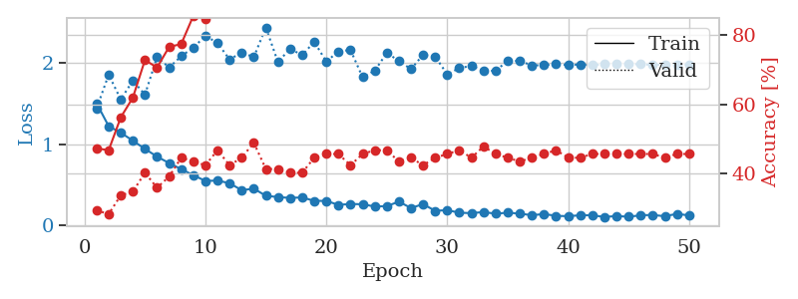
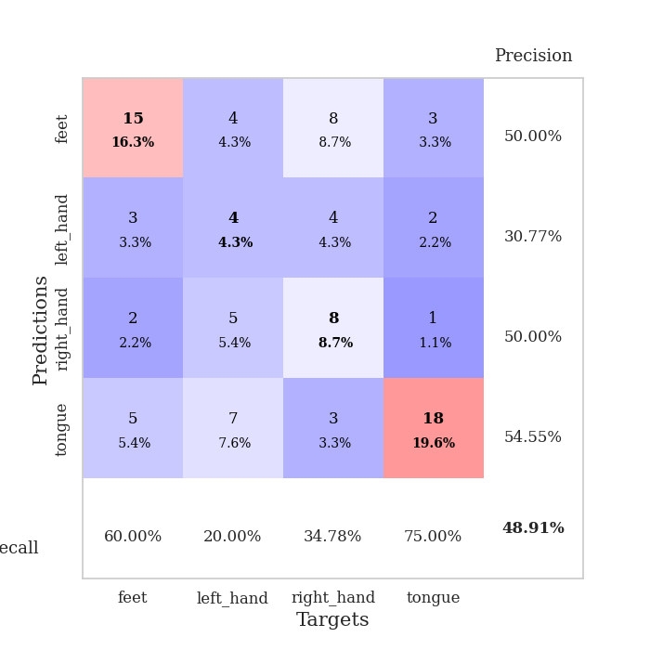
train_loss | valid_loss | train_accuracy | valid_accuracy | dur | train_misclass | valid_misclass
1.5057017803 | 1.4418897992 | 0.47282608696 | 0.29347826087 | 0.080728769302 | 47.282608696 | 29.347826087
1.2240443282 | 1.8572424391 | 0.46739130435 | 0.28260869565 | 0.079710245132 | 46.739130435 | 28.260869565
1.1445414579 | 1.5527603678 | 0.5625 | 0.33695652174 | 0.079217910767 | 56.25 | 33.695652174
1.0454806323 | 1.7846280855 | 0.61956521739 | 0.34782608696 | 0.079653024673 | 61.956521739 | 34.782608696
0.94508591683 | 1.6115434688 | 0.72826086957 | 0.40217391304 | 0.079600334167 | 72.826086957 | 40.217391304
0.84984076801 | 2.074268652 | 0.70652173913 | 0.35869565217 | 0.079890966415 | 70.652173913 | 35.869565217
0.77040426887 | 1.9455722259 | 0.76630434783 | 0.39130434783 | 0.079905509949 | 76.630434783 | 39.130434783
0.69551840295 | 2.0849092888 | 0.77445652174 | 0.44565217391 | 0.080177545547 | 77.445652174 | 44.565217391
0.62163478006 | 2.1896447669 | 0.85597826087 | 0.4347826087 | 0.080372333527 | 85.597826087 | 43.47826087
0.55078696686 | 2.3352154442 | 0.84782608696 | 0.42391304348 | 0.080240011215 | 84.782608696 | 42.391304348
0.5554712026 | 2.2475690634 | 0.91304347826 | 0.46739130435 | 0.079981565475 | 91.304347826 | 46.739130435
0.52258702724 | 2.0431651654 | 0.92934782609 | 0.42391304348 | 0.080333471298 | 92.934782609 | 42.391304348
0.43682366545 | 2.1316634261 | 0.92934782609 | 0.44565217391 | 0.079967975616 | 92.934782609 | 44.565217391
0.45648573469 | 2.0723122306 | 0.95108695652 | 0.48913043478 | 0.080101013184 | 95.108695652 | 48.913043478
0.36839392263 | 2.4383738818 | 0.92934782609 | 0.41304347826 | 0.080122947693 | 92.934782609 | 41.304347826
0.35241226852 | 2.011215749 | 0.97554347826 | 0.41304347826 | 0.079929590225 | 97.554347826 | 41.304347826
0.34234762904 | 2.1776551527 | 0.97554347826 | 0.40217391304 | 0.082640171051 | 97.554347826 | 40.217391304
0.34813743895 | 2.0965680299 | 0.98097826087 | 0.40217391304 | 0.080556869507 | 98.097826087 | 40.217391304
0.30610728717 | 2.2618455369 | 0.99456521739 | 0.44565217391 | 0.080179214478 | 99.456521739 | 44.565217391
0.305444743 | 2.0180951927 | 0.98913043478 | 0.45652173913 | 0.080144643784 | 98.913043478 | 45.652173913
0.25640699138 | 2.1439779012 | 0.99184782609 | 0.45652173913 | 0.080039978027 | 99.184782609 | 45.652173913
0.26767848205 | 2.1605407673 | 0.9972826087 | 0.42391304348 | 0.080060720444 | 99.72826087 | 42.391304348
0.26424366398 | 1.8266386467 | 0.99184782609 | 0.45652173913 | 0.080182313919 | 99.184782609 | 45.652173913
0.2364384208 | 1.9046711507 | 0.9972826087 | 0.46739130435 | 0.0803565979 | 99.72826087 | 46.739130435
0.24151031543 | 2.1250496947 | 0.9972826087 | 0.46739130435 | 0.080282211304 | 99.72826087 | 46.739130435
0.29601095358 | 2.0271979933 | 0.9972826087 | 0.4347826087 | 0.080351829529 | 99.72826087 | 43.47826087
0.21780783132 | 1.9256763251 | 1 | 0.44565217391 | 0.080255508423 | 100 | 44.565217391
0.26564917422 | 2.1013993699 | 1 | 0.42391304348 | 0.080211400986 | 100 | 42.391304348
0.18360797786 | 2.0798169426 | 1 | 0.44565217391 | 0.08021903038 | 100 | 44.565217391
0.19159157704 | 1.862072784 | 1 | 0.45652173913 | 0.080228567123 | 100 | 45.652173913
0.16044127293 | 1.9385561425 | 1 | 0.46739130435 | 0.080126523972 | 100 | 46.739130435
0.15475207891 | 1.9657600963 | 1 | 0.44565217391 | 0.080229282379 | 100 | 44.565217391
0.16836951106 | 1.9034141354 | 1 | 0.47826086957 | 0.080266237259 | 100 | 47.826086957
0.14784055268 | 1.9060795203 | 1 | 0.45652173913 | 0.080056190491 | 100 | 45.652173913
0.16074573265 | 2.0271807028 | 1 | 0.44565217391 | 0.079941987991 | 100 | 44.565217391
0.14903365732 | 2.025383006 | 1 | 0.4347826087 | 0.080205440521 | 100 | 43.47826087
0.12927336181 | 1.9723828357 | 1 | 0.44565217391 | 0.080229997635 | 100 | 44.565217391
0.14404455524 | 1.9733582372 | 1 | 0.45652173913 | 0.080129623413 | 100 | 45.652173913
0.12170449879 | 1.9889279552 | 1 | 0.46739130435 | 0.07998418808 | 100 | 46.739130435
0.11741159986 | 1.9754475822 | 1 | 0.44565217391 | 0.080235958099 | 100 | 44.565217391
0.128793441 | 1.9833234289 | 1 | 0.44565217391 | 0.083310365677 | 100 | 44.565217391
0.12945843034 | 1.9744710819 | 1 | 0.45652173913 | 0.080842494965 | 100 | 45.652173913
0.10726522994 | 1.9866335081 | 1 | 0.45652173913 | 0.080466747284 | 100 | 45.652173913
0.11984816534 | 1.989847318 | 1 | 0.45652173913 | 0.080211400986 | 100 | 45.652173913
0.11030855653 | 1.9892199972 | 1 | 0.45652173913 | 0.080206394196 | 100 | 45.652173913
0.12856852717 | 1.9852636586 | 1 | 0.45652173913 | 0.08002948761 | 100 | 45.652173913
0.13266518202 | 1.9782397954 | 1 | 0.45652173913 | 0.080250740051 | 100 | 45.652173913
0.11644519201 | 1.9795746492 | 1 | 0.44565217391 | 0.080176591873 | 100 | 44.565217391
0.14660513774 | 1.9808853295 | 1 | 0.45652173913 | 0.080101251602 | 100 | 45.652173913
0.12632700963 | 1.9824285404 | 1 | 0.45652173913 | 0.080500602722 | 100 | 45.652173913

Best Val accuracy is 0.4891304347826087 and Best test accuracy is 0.3793103448275862

Sheet4
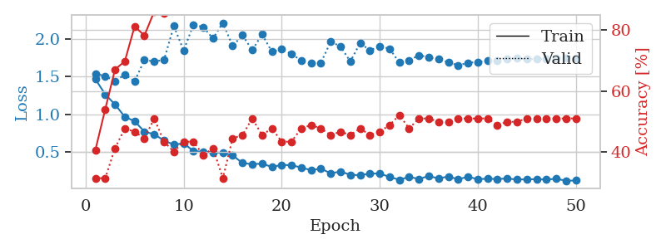
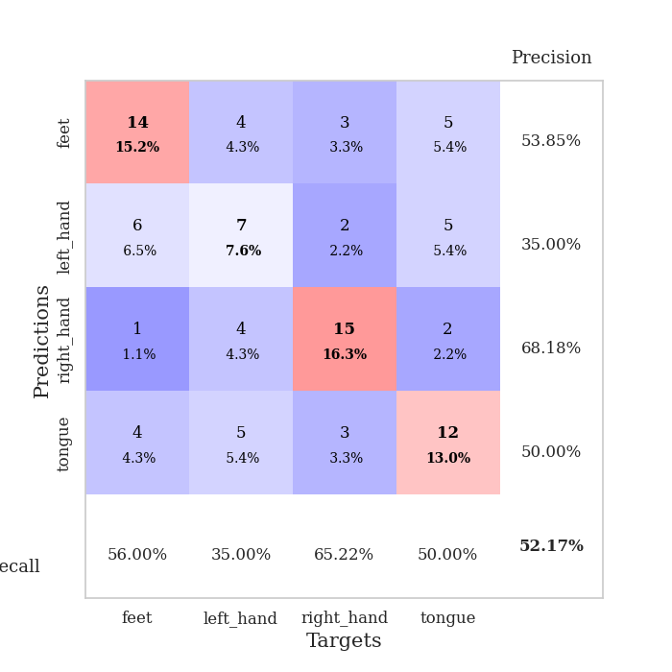
train_loss | valid_loss | train_accuracy | valid_accuracy | dur | train_misclass | valid_misclass
1.4638713132 | 1.5361579397 | 0.40760869565 | 0.3152173913 | 0.080398082733 | 40.760869565 | 31.52173913
1.2652827968 | 1.5071712525 | 0.54076086957 | 0.3152173913 | 0.0795378685 | 54.076086957 | 31.52173913
1.1304628745 | 1.4365244378 | 0.67119565217 | 0.41304347826 | 0.0801217556 | 67.119565217 | 41.304347826
0.96761263194 | 1.5260189979 | 0.69836956522 | 0.47826086957 | 0.080781459808 | 69.836956522 | 47.826086957
0.90906346103 | 1.4357797944 | 0.8125 | 0.46739130435 | 0.08016204834 | 81.25 | 46.739130435
0.77182920083 | 1.718580417 | 0.78260869565 | 0.44565217391 | 0.079707384109 | 78.260869565 | 44.565217391
0.73623161471 | 1.6985171308 | 0.86141304348 | 0.51086956522 | 0.079519033432 | 86.141304348 | 51.086956522
0.65419557561 | 1.7191674761 | 0.85597826087 | 0.4347826087 | 0.080010414124 | 85.597826087 | 43.47826087
0.59962357645 | 2.1650680563 | 0.8722826087 | 0.40217391304 | 0.080119371414 | 87.22826087 | 40.217391304
0.61776893554 | 1.8434153588 | 0.90217391304 | 0.4347826087 | 0.079805850983 | 90.217391304 | 43.47826087
0.51616048554 | 2.1857807222 | 0.90489130435 | 0.4347826087 | 0.079988479614 | 90.489130435 | 43.47826087
0.50530506411 | 2.1517312008 | 0.89402173913 | 0.39130434783 | 0.079993009567 | 89.402173913 | 39.130434783
0.49788347016 | 2.0015776883 | 0.95108695652 | 0.41304347826 | 0.079880714417 | 95.108695652 | 41.304347826
0.49181159359 | 2.2086989724 | 0.88586956522 | 0.3152173913 | 0.07978272438 | 88.586956522 | 31.52173913
0.45903416626 | 1.9018737389 | 0.92934782609 | 0.44565217391 | 0.079901695251 | 92.934782609 | 44.565217391
0.35636169431 | 2.0456933198 | 0.97282608696 | 0.45652173913 | 0.080060482025 | 97.282608696 | 45.652173913
0.34183607736 | 1.8472494613 | 0.98369565217 | 0.51086956522 | 0.079802751541 | 98.369565217 | 51.086956522
0.34879160446 | 2.0577999353 | 0.9375 | 0.45652173913 | 0.079690694809 | 93.75 | 45.652173913
0.30517173656 | 1.8271840137 | 0.98913043478 | 0.47826086957 | 0.079817295074 | 98.913043478 | 47.826086957
0.33216039966 | 1.8607301453 | 0.98097826087 | 0.4347826087 | 0.079975605011 | 98.097826087 | 43.47826087
0.3280896457 | 1.7991949113 | 0.9972826087 | 0.4347826087 | 0.080094337463 | 99.72826087 | 43.47826087
0.29775343511 | 1.7092456144 | 0.99456521739 | 0.47826086957 | 0.080144405365 | 99.456521739 | 47.826086957
0.26251304133 | 1.6752803688 | 0.9972826087 | 0.48913043478 | 0.080005168915 | 99.72826087 | 48.913043478
0.28304419699 | 1.6805801184 | 0.9972826087 | 0.47826086957 | 0.080114364624 | 99.72826087 | 47.826086957
0.22138642957 | 1.9596684083 | 0.99456521739 | 0.45652173913 | 0.079899549484 | 99.456521739 | 45.652173913
0.24494395049 | 1.8980053404 | 0.99456521739 | 0.46739130435 | 0.079801082611 | 99.456521739 | 46.739130435
0.20184874794 | 1.6975544173 | 0.9972826087 | 0.45652173913 | 0.08031463623 | 99.72826087 | 45.652173913
0.1960266848 | 1.9414858766 | 0.99184782609 | 0.47826086957 | 0.080057859421 | 99.184782609 | 47.826086957
0.21691994158 | 1.8453230184 | 0.9972826087 | 0.45652173913 | 0.080054044724 | 99.72826087 | 45.652173913
0.21862854015 | 1.8971842476 | 1 | 0.46739130435 | 0.079745531082 | 100 | 46.739130435
0.17350971261 | 1.8686008868 | 1 | 0.48913043478 | 0.080078125 | 100 | 48.913043478
0.13605354969 | 1.6827675311 | 1 | 0.52173913043 | 0.079811573029 | 100 | 52.173913043
0.1741802349 | 1.7121125045 | 1 | 0.47826086957 | 0.080378055573 | 100 | 47.826086957
0.14616507847 | 1.7799652297 | 1 | 0.51086956522 | 0.07978272438 | 100 | 51.086956522
0.1856946699 | 1.7543436133 | 1 | 0.51086956522 | 0.07989525795 | 100 | 51.086956522
0.15323498294 | 1.7312529554 | 1 | 0.5 | 0.080138444901 | 100 | 50
0.17895210081 | 1.6873418507 | 1 | 0.5 | 0.079704523087 | 100 | 50
0.14249832491 | 1.6473525037 | 1 | 0.51086956522 | 0.080032348633 | 100 | 51.086956522
0.17578752841 | 1.6798325155 | 1 | 0.51086956522 | 0.08002281189 | 100 | 51.086956522
0.14363899908 | 1.6922612242 | 1 | 0.51086956522 | 0.079506635666 | 100 | 51.086956522
0.1501226362 | 1.7060322554 | 1 | 0.51086956522 | 0.080025196075 | 100 | 51.086956522
0.14480007391 | 1.7125855788 | 1 | 0.48913043478 | 0.080048799515 | 100 | 48.913043478
0.15340733447 | 1.7329879429 | 1 | 0.5 | 0.080186128616 | 100 | 50
0.13830058422 | 1.7376191616 | 1 | 0.5 | 0.079829216003 | 100 | 50
0.14209219862 | 1.7289252229 | 1 | 0.51086956522 | 0.080145120621 | 100 | 51.086956522
0.14362924611 | 1.7307952124 | 1 | 0.51086956522 | 0.080013990402 | 100 | 51.086956522
0.13869779103 | 1.7349033719 | 1 | 0.51086956522 | 0.080184936523 | 100 | 51.086956522
0.14934944345 | 1.7377847848 | 1 | 0.51086956522 | 0.080124616623 | 100 | 51.086956522
0.12324935619 | 1.7394486614 | 1 | 0.51086956522 | 0.080178499222 | 100 | 51.086956522
0.12602273018 | 1.7402622233 | 1 | 0.51086956522 | 0.079874038696 | 100 | 51.086956522

Best Val accuracy is 0.5217391304347826 and Best test accuracy is 0.39655172413793105

Sheet5
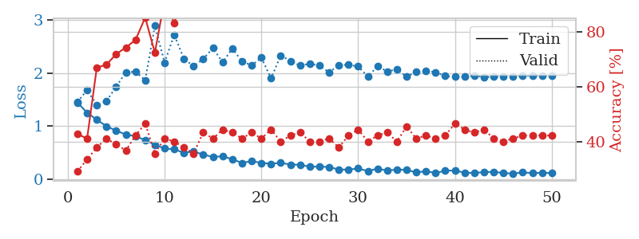
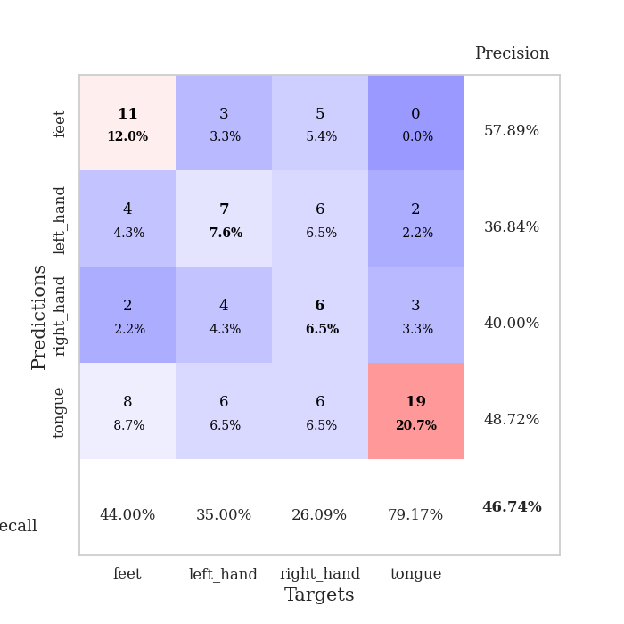
train_loss | valid_loss | train_accuracy | valid_accuracy | dur | train_misclass | valid_misclass
1.4439706129 | 1.4542496567 | 0.42934782609 | 0.29347826087 | 0.079899072647 | 42.934782609 | 29.347826087
1.2516692592 | 1.6783639504 | 0.41304347826 | 0.33695652174 | 0.079178094864 | 41.304347826 | 33.695652174
1.1216728428 | 1.3966751099 | 0.67119565217 | 0.38043478261 | 0.079149484634 | 67.119565217 | 38.043478261
0.99630217449 | 1.4702983784 | 0.68206521739 | 0.41304347826 | 0.079357385635 | 68.206521739 | 41.304347826
0.91606367412 | 1.7402270203 | 0.72010869565 | 0.39130434783 | 0.079758405685 | 72.010869565 | 39.130434783
0.84006053209 | 2.0137404152 | 0.74456521739 | 0.36956521739 | 0.081004619598 | 74.456521739 | 36.956521739
0.81250534628 | 2.021688565 | 0.77173913043 | 0.42391304348 | 0.080268383026 | 77.173913043 | 42.391304348
0.73506280391 | 1.8642405686 | 0.85326086957 | 0.46739130435 | 0.079983711243 | 85.326086957 | 46.739130435
0.65039974062 | 2.8849018605 | 0.72554347826 | 0.35869565217 | 0.08101606369 | 72.554347826 | 35.869565217
0.5787557208 | 2.1949440034 | 0.91847826087 | 0.41304347826 | 0.080163240433 | 91.847826087 | 41.304347826
0.56687092133 | 2.7175026355 | 0.83423913043 | 0.40217391304 | 0.080069541931 | 83.423913043 | 40.217391304
0.49642658882 | 2.2667707308 | 0.92934782609 | 0.38043478261 | 0.08392572403 | 92.934782609 | 38.043478261
0.52643794988 | 2.1260420965 | 0.95923913043 | 0.35869565217 | 0.080345153809 | 95.923913043 | 35.869565217
0.46173379862 | 2.2658528867 | 0.91032608696 | 0.4347826087 | 0.080041885376 | 91.032608696 | 43.47826087
0.4232941678 | 2.4652257277 | 0.91576086957 | 0.41304347826 | 0.07981801033 | 91.576086957 | 41.304347826
0.4318176631 | 2.1993731882 | 0.96195652174 | 0.44565217391 | 0.079880714417 | 96.195652174 | 44.565217391
0.37789600245 | 2.4582445829 | 0.97010869565 | 0.4347826087 | 0.079801797867 | 97.010869565 | 43.47826087
0.30702539307 | 2.2187234319 | 0.99456521739 | 0.41304347826 | 0.079777479172 | 99.456521739 | 41.304347826
0.34407329689 | 2.141954479 | 0.97554347826 | 0.4347826087 | 0.080074071884 | 97.554347826 | 43.47826087
0.30780933344 | 2.2882748013 | 0.97826086957 | 0.41304347826 | 0.079659938812 | 97.826086957 | 41.304347826
0.29292775269 | 1.8964402935 | 0.99456521739 | 0.44565217391 | 0.079749345779 | 99.456521739 | 44.565217391
0.31070496466 | 2.3282371656 | 0.98369565217 | 0.40217391304 | 0.079881191254 | 98.369565217 | 40.217391304
0.27726121571 | 2.2253220237 | 0.99184782609 | 0.42391304348 | 0.079843997955 | 99.184782609 | 42.391304348
0.27441426399 | 2.1360076718 | 1 | 0.4347826087 | 0.079793453217 | 100 | 43.47826087
0.23538367029 | 2.1745577947 | 1 | 0.40217391304 | 0.079786539078 | 100 | 40.217391304
0.24055909398 | 2.1360832349 | 0.99456521739 | 0.40217391304 | 0.079527616501 | 99.456521739 | 40.217391304
0.23081911776 | 2.0091023601 | 1 | 0.41304347826 | 0.079851150513 | 100 | 41.304347826
0.1837232892 | 2.1494034736 | 0.99456521739 | 0.38043478261 | 0.079553842545 | 99.456521739 | 38.043478261
0.18151267456 | 2.1524561022 | 1 | 0.42391304348 | 0.079482555389 | 100 | 42.391304348
0.204076878 | 2.1214394518 | 1 | 0.44565217391 | 0.079668283463 | 100 | 44.565217391
0.1550756424 | 1.9316670117 | 1 | 0.40217391304 | 0.079591989517 | 100 | 40.217391304
0.20132718454 | 2.1247984482 | 1 | 0.42391304348 | 0.079629182816 | 100 | 42.391304348
0.16400205935 | 2.0297770967 | 1 | 0.4347826087 | 0.079493045807 | 100 | 43.47826087
0.18336235027 | 2.0671483071 | 1 | 0.40217391304 | 0.079783678055 | 100 | 40.217391304
0.17751939174 | 1.9284248145 | 1 | 0.45652173913 | 0.079709768295 | 100 | 45.652173913
0.1288258243 | 2.0210937728 | 1 | 0.41304347826 | 0.07986497879 | 100 | 41.304347826
0.15364197391 | 2.0408761449 | 1 | 0.42391304348 | 0.079956054688 | 100 | 42.391304348
0.11877706534 | 2.0140159389 | 1 | 0.41304347826 | 0.079833507538 | 100 | 41.304347826
0.16035316933 | 1.9408601522 | 1 | 0.42391304348 | 0.079656600952 | 100 | 42.391304348
0.16660527318 | 1.9353790853 | 1 | 0.46739130435 | 0.079865217209 | 100 | 46.739130435
0.12232954606 | 1.9286620254 | 1 | 0.44565217391 | 0.079747915268 | 100 | 44.565217391
0.12133276786 | 1.9503623454 | 1 | 0.4347826087 | 0.079667568207 | 100 | 43.47826087
0.13393408222 | 1.9228354589 | 1 | 0.44565217391 | 0.0798869133 | 100 | 44.565217391
0.14091204852 | 1.926201214 | 1 | 0.41304347826 | 0.079570531845 | 100 | 41.304347826
0.11839589711 | 1.9333519884 | 1 | 0.40217391304 | 0.079775810242 | 100 | 40.217391304
0.10622419231 | 1.9370848044 | 1 | 0.41304347826 | 0.079708337784 | 100 | 41.304347826
0.13192264104 | 1.9452618464 | 1 | 0.42391304348 | 0.079988002777 | 100 | 42.391304348
0.11596357272 | 1.9519582054 | 1 | 0.42391304348 | 0.079855918884 | 100 | 42.391304348
0.12370423309 | 1.9546185576 | 1 | 0.42391304348 | 0.079830408096 | 100 | 42.391304348
0.11754365006 | 1.9550931298 | 1 | 0.42391304348 | 0.079897165298 | 100 | 42.391304348

Best Val accuracy is 0.4673913043478261 and Best test accuracy is 0.4396551724137931

Sheet6
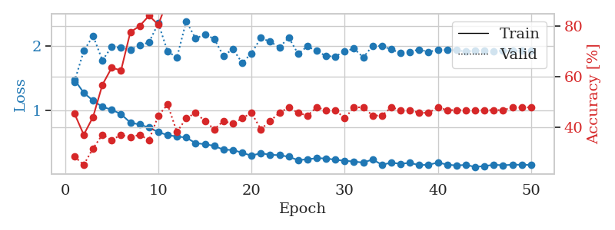
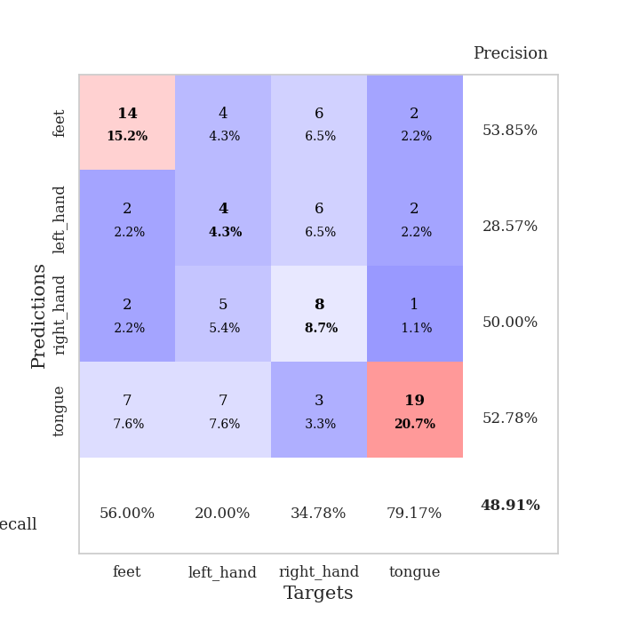
train_loss | valid_loss | train_accuracy | valid_accuracy | dur | train_misclass | valid_misclass
1.4807512086 | 1.4486680031 | 0.45380434783 | 0.28260869565 | 0.079904079437 | 45.380434783 | 28.260869565
1.2746501539 | 1.9292847022 | 0.36956521739 | 0.25 | 0.078669309616 | 36.956521739 | 25
1.1531532355 | 2.1638094239 | 0.4402173913 | 0.3152173913 | 0.078539848328 | 44.02173913 | 31.52173913
1.0544109966 | 1.782517656 | 0.56793478261 | 0.36956521739 | 0.079142093658 | 56.793478261 | 36.956521739
1.0117199136 | 1.9923246788 | 0.63586956522 | 0.34782608696 | 0.079124450684 | 63.586956522 | 34.782608696
0.94050502259 | 1.9793402475 | 0.625 | 0.36956521739 | 0.079277276993 | 62.5 | 36.956521739
0.80974511478 | 1.9496690657 | 0.77717391304 | 0.35869565217 | 0.079731702805 | 77.717391304 | 35.869565217
0.77862904383 | 2.0144414643 | 0.80163043478 | 0.36956521739 | 0.07919383049 | 80.163043478 | 36.956521739
0.73230958503 | 2.0636428802 | 0.84239130435 | 0.34782608696 | 0.079077005386 | 84.239130435 | 34.782608696
0.66172662248 | 2.3599298052 | 0.80706521739 | 0.44565217391 | 0.078980445862 | 80.706521739 | 44.565217391
0.61286573436 | 1.9211496789 | 0.90489130435 | 0.48913043478 | 0.079258441925 | 90.489130435 | 48.913043478
0.59277657841 | 1.8252624792 | 0.92934782609 | 0.38043478261 | 0.079297065735 | 92.934782609 | 38.043478261
0.57560546243 | 2.3947938421 | 0.8722826087 | 0.4347826087 | 0.07927107811 | 87.22826087 | 43.47826087
0.48776162513 | 2.1207027487 | 0.93206521739 | 0.45652173913 | 0.079301834106 | 93.206521739 | 45.652173913
0.47233420416 | 2.1898438827 | 0.95923913043 | 0.42391304348 | 0.07917547226 | 95.923913043 | 42.391304348
0.44575999483 | 2.1164637027 | 0.9402173913 | 0.39130434783 | 0.079180002213 | 94.02173913 | 39.130434783
0.3852252254 | 1.848751151 | 0.96195652174 | 0.42391304348 | 0.079886198044 | 96.195652174 | 42.391304348
0.38225414895 | 1.9607262352 | 0.96467391304 | 0.41304347826 | 0.079338312149 | 96.467391304 | 41.304347826
0.33842770626 | 1.7416284447 | 0.99184782609 | 0.4347826087 | 0.079160690308 | 99.184782609 | 43.47826087
0.29202420394 | 1.8918560329 | 0.98369565217 | 0.45652173913 | 0.078968524933 | 98.369565217 | 45.652173913
0.33250161584 | 2.1329750704 | 0.98097826087 | 0.39130434783 | 0.079101800919 | 98.097826087 | 39.130434783
0.30577937416 | 2.0719325128 | 0.99456521739 | 0.42391304348 | 0.078832387924 | 99.456521739 | 42.391304348
0.30084919508 | 1.9860571571 | 0.99184782609 | 0.45652173913 | 0.078765392303 | 99.184782609 | 45.652173913
0.27586996847 | 2.1367715649 | 0.99456521739 | 0.47826086957 | 0.078486680984 | 99.456521739 | 47.826086957
0.22259264342 | 1.8836930161 | 1 | 0.45652173913 | 0.07893705368 | 100 | 45.652173913
0.23705079212 | 2.0000249718 | 0.97826086957 | 0.44565217391 | 0.079087972641 | 97.826086957 | 44.565217391
0.25226005653 | 1.9281928643 | 0.9972826087 | 0.47826086957 | 0.079026222229 | 99.72826087 | 47.826086957
0.25059862402 | 1.8491088774 | 1 | 0.46739130435 | 0.079097747803 | 100 | 46.739130435
0.22806609098 | 1.8413220229 | 1 | 0.46739130435 | 0.0793633461 | 100 | 46.739130435
0.21367020549 | 1.9238994484 | 1 | 0.4347826087 | 0.078974246979 | 100 | 43.47826087
0.20058945566 | 1.9648622845 | 1 | 0.47826086957 | 0.078860759735 | 100 | 47.826086957
0.18489804394 | 1.8272037143 | 1 | 0.47826086957 | 0.078529834747 | 100 | 47.826086957
0.23367291073 | 2.0101086834 | 1 | 0.44565217391 | 0.078735589981 | 100 | 44.565217391
0.15069003824 | 2.004685687 | 1 | 0.44565217391 | 0.079001188278 | 100 | 44.565217391
0.18330156123 | 1.9526574974 | 1 | 0.47826086957 | 0.07905960083 | 100 | 47.826086957
0.165752183 | 1.896520879 | 1 | 0.46739130435 | 0.079003095627 | 100 | 46.739130435
0.18084430533 | 1.9154692059 | 1 | 0.46739130435 | 0.079116821289 | 100 | 46.739130435
0.14458218703 | 1.9517191545 | 1 | 0.45652173913 | 0.0788834095 | 100 | 45.652173913
0.15081097348 | 1.9113847328 | 1 | 0.45652173913 | 0.08168721199 | 100 | 45.652173913
0.18476860339 | 1.9495421233 | 1 | 0.47826086957 | 0.080277919769 | 100 | 47.826086957
0.15359515656 | 1.9415683591 | 1 | 0.46739130435 | 0.079864740372 | 100 | 46.739130435
0.13868018386 | 1.9406488875 | 1 | 0.46739130435 | 0.080698728561 | 100 | 46.739130435
0.1494872323 | 1.9188058895 | 1 | 0.46739130435 | 0.080217838287 | 100 | 46.739130435
0.11671224172 | 1.9357032154 | 1 | 0.46739130435 | 0.079702138901 | 100 | 46.739130435
0.13107668009 | 1.927988156 | 1 | 0.46739130435 | 0.079841852188 | 100 | 46.739130435
0.15015144387 | 1.9275134491 | 1 | 0.46739130435 | 0.079651832581 | 100 | 46.739130435
0.1431231042 | 1.9302270257 | 1 | 0.46739130435 | 0.079578399658 | 100 | 46.739130435
0.15099890255 | 1.9281876243 | 1 | 0.47826086957 | 0.079226970673 | 100 | 47.826086957
0.15165805784 | 1.9298283587 | 1 | 0.47826086957 | 0.080080032349 | 100 | 47.826086957
0.1467703691 | 1.9309986933 | 1 | 0.47826086957 | 0.079781532288 | 100 | 47.826086957

Best Val accuracy is 0.4891304347826087 and Best test accuracy is 0.3103448275862069

Sheet7
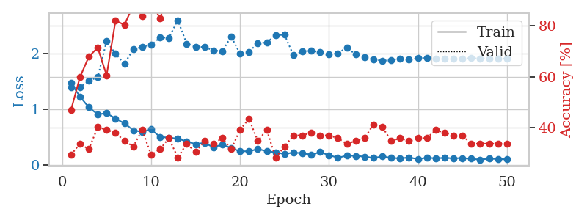
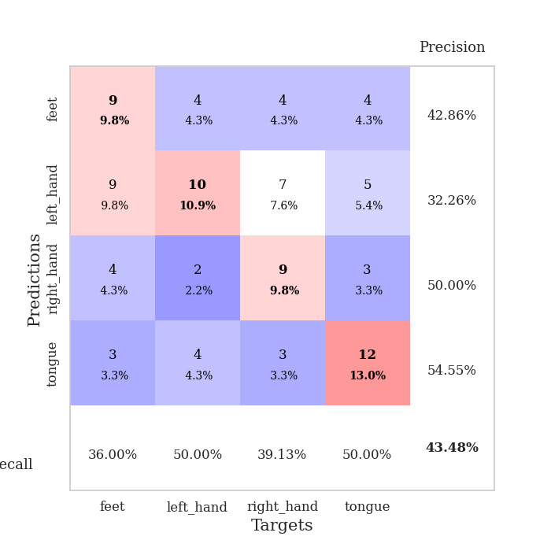
train_loss | valid_loss | train_accuracy | valid_accuracy | dur | train_misclass | valid_misclass
1.468033604 | 1.3895999504 | 0.47010869565 | 0.29347826087 | 0.081251382828 | 47.010869565 | 29.347826087
1.2289160127 | 1.3947550318 | 0.59782608696 | 0.33695652174 | 0.079632520676 | 59.782608696 | 33.695652174
1.0334412896 | 1.508951581 | 0.67934782609 | 0.3152173913 | 0.079331636429 | 67.934782609 | 31.52173913
0.91003486125 | 1.5753136562 | 0.71467391304 | 0.40217391304 | 0.079611539841 | 71.467391304 | 40.217391304
0.92805604572 | 2.2231694201 | 0.60597826087 | 0.39130434783 | 0.079682588577 | 60.597826087 | 39.130434783
0.8341071515 | 1.9953261977 | 0.82065217391 | 0.38043478261 | 0.079870700836 | 82.065217391 | 38.043478261
0.74625552867 | 1.8179975852 | 0.80434782609 | 0.34782608696 | 0.079775094986 | 80.434782609 | 34.782608696
0.62416553368 | 2.0761070459 | 0.88043478261 | 0.32608695652 | 0.079695701599 | 88.043478261 | 32.608695652
0.59250794416 | 2.1191931082 | 0.83967391304 | 0.39130434783 | 0.079744338989 | 83.967391304 | 39.130434783
0.63856944053 | 2.1536859948 | 0.89945652174 | 0.29347826087 | 0.086171388626 | 89.945652174 | 29.347826087
0.50459513263 | 2.2871547626 | 0.82880434783 | 0.3152173913 | 0.079826831818 | 82.880434783 | 31.52173913
0.49037498495 | 2.2833258795 | 0.9375 | 0.35869565217 | 0.080165863037 | 93.75 | 35.869565217
0.47302439809 | 2.599362591 | 0.92663043478 | 0.28260869565 | 0.08042883873 | 92.663043478 | 28.260869565
0.42304444313 | 2.1781719042 | 0.97010869565 | 0.33695652174 | 0.079932928085 | 97.010869565 | 33.695652174
0.3745817555 | 2.1203914673 | 0.95108695652 | 0.30434782609 | 0.079713106155 | 95.108695652 | 30.434782609
0.39785447134 | 2.1160807921 | 0.97554347826 | 0.34782608696 | 0.079672574997 | 97.554347826 | 34.782608696
0.31763308657 | 2.0577318046 | 0.98641304348 | 0.33695652174 | 0.080061435699 | 98.641304348 | 33.695652174
0.36814653971 | 2.0395657809 | 0.9972826087 | 0.35869565217 | 0.079848527908 | 99.72826087 | 35.869565217
0.30280505186 | 2.3061714691 | 0.99184782609 | 0.3152173913 | 0.079815387726 | 99.184782609 | 31.52173913
0.24548981533 | 1.9985613149 | 0.99184782609 | 0.39130434783 | 0.081036090851 | 99.184782609 | 39.130434783
0.24734248658 | 2.0295753272 | 0.99184782609 | 0.4347826087 | 0.080278873444 | 99.184782609 | 43.47826087
0.28437379488 | 2.1873042635 | 1 | 0.34782608696 | 0.08006477356 | 100 | 34.782608696
0.25143948424 | 2.1988342223 | 0.9972826087 | 0.39130434783 | 0.07977604866 | 99.72826087 | 39.130434783
0.22619290099 | 2.3279733243 | 1 | 0.28260869565 | 0.079680919647 | 100 | 28.260869565
0.199806284 | 2.3384752999 | 0.9972826087 | 0.32608695652 | 0.079749822617 | 99.72826087 | 32.608695652
0.22244070503 | 1.9689540604 | 0.99456521739 | 0.36956521739 | 0.079597949982 | 99.456521739 | 36.956521739
0.21168626408 | 2.0413824579 | 1 | 0.36956521739 | 0.079597711563 | 100 | 36.956521739
0.18497318337 | 2.0500323565 | 0.99456521739 | 0.38043478261 | 0.079959154129 | 99.456521739 | 38.043478261
0.23250025673 | 2.0226690666 | 1 | 0.36956521739 | 0.079693555832 | 100 | 36.956521739
0.17575619208 | 1.9912332556 | 1 | 0.36956521739 | 0.079736471176 | 100 | 36.956521739
0.13046326342 | 2.0051714908 | 1 | 0.35869565217 | 0.07984495163 | 100 | 35.869565217
0.16621501549 | 2.1081001344 | 1 | 0.33695652174 | 0.079696178436 | 100 | 33.695652174
0.16393983923 | 1.9846004921 | 1 | 0.34782608696 | 0.079728841782 | 100 | 34.782608696
0.14990463618 | 1.9324450804 | 1 | 0.35869565217 | 0.07955121994 | 100 | 35.869565217
0.12721834882 | 1.8994735842 | 1 | 0.41304347826 | 0.079498529434 | 100 | 41.304347826
0.15109432424 | 1.8675600653 | 1 | 0.40217391304 | 0.079755783081 | 100 | 40.217391304
0.1287965321 | 1.8839062919 | 1 | 0.34782608696 | 0.079605340958 | 100 | 34.782608696
0.11693566957 | 1.903231258 | 1 | 0.35869565217 | 0.079701185226 | 100 | 35.869565217
0.1351339553 | 1.8945434923 | 1 | 0.34782608696 | 0.079828262329 | 100 | 34.782608696
0.10550606858 | 1.9178067809 | 1 | 0.35869565217 | 0.079475641251 | 100 | 35.869565217
0.13098661326 | 1.9222891279 | 1 | 0.35869565217 | 0.079528570175 | 100 | 35.869565217
0.11900239632 | 1.9104038581 | 1 | 0.39130434783 | 0.079799413681 | 100 | 39.130434783
0.12762959536 | 1.9091157499 | 1 | 0.38043478261 | 0.079689979553 | 100 | 38.043478261
0.1193132262 | 1.9148245013 | 1 | 0.36956521739 | 0.079699516296 | 100 | 36.956521739
0.12430928988 | 1.9089377497 | 1 | 0.36956521739 | 0.079789400101 | 100 | 36.956521739
0.1115946892 | 1.9162459373 | 1 | 0.33695652174 | 0.079652070999 | 100 | 33.695652174
0.095153942218 | 1.9113430562 | 1 | 0.33695652174 | 0.079727888107 | 100 | 33.695652174
0.11337714221 | 1.9082925838 | 1 | 0.33695652174 | 0.079897403717 | 100 | 33.695652174
0.10603582487 | 1.9091349322 | 1 | 0.33695652174 | 0.079745531082 | 100 | 33.695652174
0.10203763373 | 1.9107111226 | 1 | 0.33695652174 | 0.079665184021 | 100 | 33.695652174

Best Val accuracy is 0.43478260869565216 and Best test accuracy is 0.5344827586206896

Sheet8
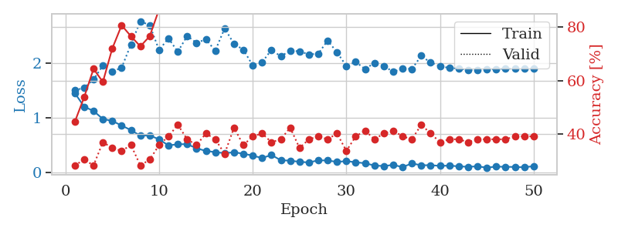
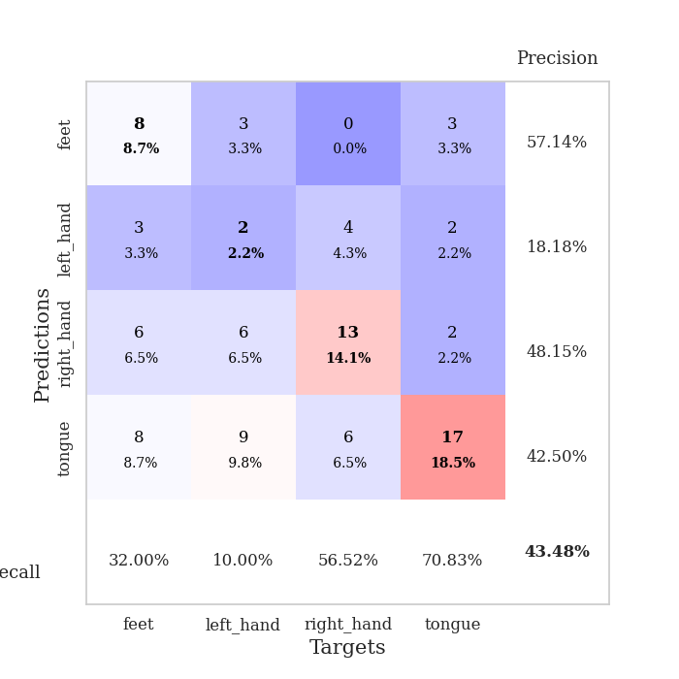
train_loss | valid_loss | train_accuracy | valid_accuracy | dur | train_misclass | valid_misclass
1.4543317556 | 1.5054111014 | 0.44565217391 | 0.28260869565 | 0.080560922623 | 44.565217391 | 28.260869565
1.2044657391 | 1.5485705085 | 0.53804347826 | 0.30434782609 | 0.079472780228 | 53.804347826 | 30.434782609
1.1263184185 | 1.7017613131 | 0.64402173913 | 0.28260869565 | 0.079236268997 | 64.402173913 | 28.260869565
0.97932498351 | 1.9580438396 | 0.59510869565 | 0.36956521739 | 0.079484939575 | 59.510869565 | 36.956521739
0.94365436875 | 1.8490879847 | 0.72010869565 | 0.34782608696 | 0.079477071762 | 72.010869565 | 34.782608696
0.85949771041 | 1.9173727502 | 0.80706521739 | 0.33695652174 | 0.079822063446 | 80.706521739 | 33.695652174
0.7750527768 | 2.3450132868 | 0.76630434783 | 0.35869565217 | 0.079504013062 | 76.630434783 | 35.869565217
0.67261669688 | 2.7693640253 | 0.72826086957 | 0.28260869565 | 0.079118013382 | 72.826086957 | 28.260869565
0.67932135385 | 2.6953841655 | 0.76630434783 | 0.30434782609 | 0.079346895218 | 76.630434783 | 30.434782609
0.60588346487 | 2.2422685675 | 0.86684782609 | 0.35869565217 | 0.079524755478 | 86.684782609 | 35.869565217
0.49611188666 | 2.4549712513 | 0.88043478261 | 0.39130434783 | 0.079462766647 | 88.043478261 | 39.130434783
0.51582994733 | 2.2104852251 | 0.875 | 0.4347826087 | 0.079570055008 | 87.5 | 43.47826087
0.51956148122 | 2.4983475571 | 0.90217391304 | 0.38043478261 | 0.079548835754 | 90.217391304 | 38.043478261
0.4417160134 | 2.3737609749 | 0.95380434783 | 0.35869565217 | 0.079611778259 | 95.380434783 | 35.869565217
0.39558055543 | 2.436151235 | 0.91304347826 | 0.40217391304 | 0.079327344894 | 91.304347826 | 40.217391304
0.37169061083 | 2.2305259083 | 0.96467391304 | 0.38043478261 | 0.07922911644 | 96.467391304 | 38.043478261
0.3545530257 | 2.6373832433 | 0.86684782609 | 0.32608695652 | 0.079793214798 | 86.684782609 | 32.608695652
0.36923243008 | 2.3549262233 | 0.97554347826 | 0.42391304348 | 0.079775810242 | 97.554347826 | 42.391304348
0.34473784754 | 2.2468623078 | 0.98369565217 | 0.35869565217 | 0.079813241959 | 98.369565217 | 35.869565217
0.30834284814 | 1.9607537985 | 0.97554347826 | 0.39130434783 | 0.079739570618 | 97.554347826 | 39.130434783
0.26445386721 | 2.0181116384 | 0.98369565217 | 0.40217391304 | 0.079740285873 | 98.369565217 | 40.217391304
0.32122752135 | 2.2443325779 | 0.98641304348 | 0.36956521739 | 0.079692363739 | 98.641304348 | 36.956521739
0.22325527668 | 2.1257198531 | 0.99184782609 | 0.38043478261 | 0.079736948013 | 99.184782609 | 38.043478261
0.21750724137 | 2.2307370383 | 0.99184782609 | 0.42391304348 | 0.079731464386 | 99.184782609 | 42.391304348
0.19406919619 | 2.2164026758 | 0.9972826087 | 0.34782608696 | 0.079606294632 | 99.72826087 | 34.782608696
0.18399260987 | 2.1617489846 | 0.99456521739 | 0.38043478261 | 0.079548358917 | 99.456521739 | 38.043478261
0.22206983586 | 2.173901729 | 0.99456521739 | 0.39130434783 | 0.079653501511 | 99.456521739 | 39.130434783
0.21991048883 | 2.4153138088 | 0.98641304348 | 0.38043478261 | 0.079641103745 | 98.641304348 | 38.043478261
0.19336993166 | 2.1997646249 | 0.99456521739 | 0.40217391304 | 0.080120801926 | 99.456521739 | 40.217391304
0.20827834891 | 1.9502696784 | 1 | 0.33695652174 | 0.079647541046 | 100 | 33.695652174
0.18657665878 | 2.0238199856 | 1 | 0.39130434783 | 0.079736709595 | 100 | 39.130434783
0.1694381369 | 1.893135983 | 1 | 0.41304347826 | 0.079336881638 | 100 | 41.304347826
0.12731319795 | 2.0066356037 | 1 | 0.38043478261 | 0.079528808594 | 100 | 38.043478261
0.11818008481 | 1.9505639232 | 1 | 0.40217391304 | 0.079712629318 | 100 | 40.217391304
0.13875269307 | 1.8415109178 | 1 | 0.41304347826 | 0.07982635498 | 100 | 41.304347826
0.099809948841 | 1.9045243056 | 1 | 0.39130434783 | 0.079705715179 | 100 | 39.130434783
0.16524388163 | 1.8952193675 | 1 | 0.38043478261 | 0.079645872116 | 100 | 38.043478261
0.13189715358 | 2.1356329762 | 1 | 0.4347826087 | 0.079621076584 | 100 | 43.47826087
0.13371610496 | 2.0093112458 | 1 | 0.40217391304 | 0.07973408699 | 100 | 40.217391304
0.1208262599 | 1.9468229594 | 1 | 0.36956521739 | 0.079802036285 | 100 | 36.956521739
0.1260736583 | 1.9125887467 | 1 | 0.38043478261 | 0.079662322998 | 100 | 38.043478261
0.11249223295 | 1.9034744294 | 1 | 0.38043478261 | 0.079868555069 | 100 | 38.043478261
0.10399135583 | 1.8751899419 | 1 | 0.36956521739 | 0.082877635956 | 100 | 36.956521739
0.1126237574 | 1.8799477194 | 1 | 0.38043478261 | 0.081028699875 | 100 | 38.043478261
0.088231453672 | 1.8847238758 | 1 | 0.38043478261 | 0.080376148224 | 100 | 38.043478261
0.10797233985 | 1.8952823774 | 1 | 0.38043478261 | 0.079846382141 | 100 | 38.043478261
0.10359102253 | 1.9007056744 | 1 | 0.38043478261 | 0.079682826996 | 100 | 38.043478261
0.10136283351 | 1.9007516063 | 1 | 0.39130434783 | 0.080017328262 | 100 | 39.130434783
0.094738480594 | 1.9030602704 | 1 | 0.39130434783 | 0.079940080643 | 100 | 39.130434783
0.11671910046 | 1.9037711258 | 1 | 0.39130434783 | 0.079884052277 | 100 | 39.130434783

Best Val accuracy is 0.43478260869565216 and Best test accuracy is 0.4224137931034483

Sheet9
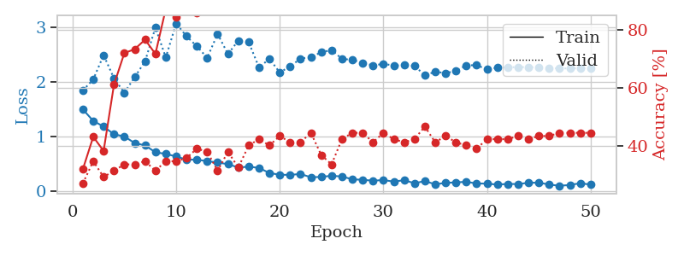
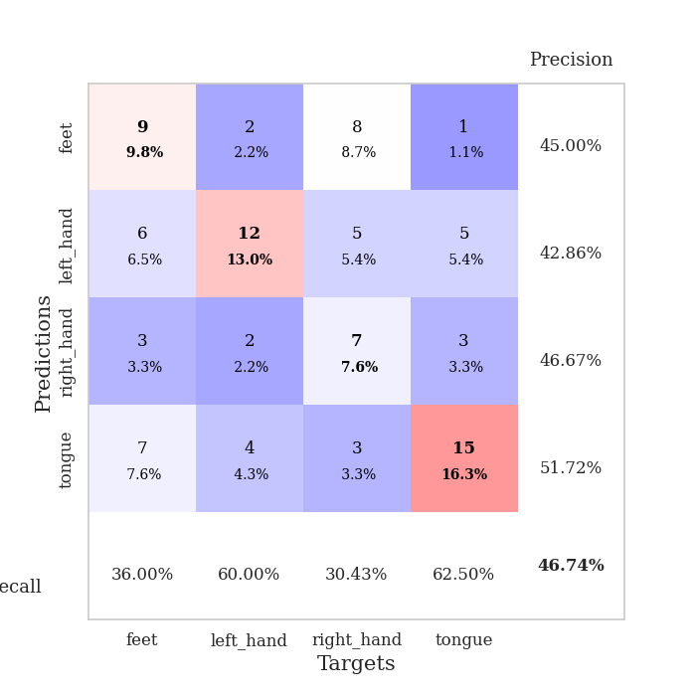
train_loss | valid_loss | train_accuracy | valid_accuracy | dur | train_misclass | valid_misclass
1.4916886558 | 1.8395481369 | 0.32065217391 | 0.27173913043 | 0.080625534058 | 32.065217391 | 27.173913043
1.2815697089 | 2.0395125254 | 0.43206521739 | 0.34782608696 | 0.07932472229 | 43.206521739 | 34.782608696
1.1782548453 | 2.4846002071 | 0.38315217391 | 0.29347826087 | 0.079244613647 | 38.315217391 | 29.347826087
1.0368327187 | 2.059942997 | 0.61141304348 | 0.3152173913 | 0.079592943192 | 61.141304348 | 31.52173913
0.99772268793 | 1.7968174841 | 0.72010869565 | 0.33695652174 | 0.079704761505 | 72.010869565 | 33.695652174
0.87621306855 | 2.0814887026 | 0.73369565217 | 0.33695652174 | 0.079472064972 | 73.369565217 | 33.695652174
0.83451305006 | 2.3700717325 | 0.76630434783 | 0.34782608696 | 0.079945802689 | 76.630434783 | 34.782608696
0.70833610063 | 2.9877953633 | 0.71739130435 | 0.3152173913 | 0.079491376877 | 71.739130435 | 31.52173913
0.67852389683 | 2.4411374693 | 0.8722826087 | 0.34782608696 | 0.079189300537 | 87.22826087 | 34.782608696
0.63153638658 | 3.0625146783 | 0.84510869565 | 0.34782608696 | 0.079195976257 | 84.510869565 | 34.782608696
0.57397987661 | 2.8288917956 | 0.89945652174 | 0.35869565217 | 0.079527378082 | 89.945652174 | 35.869565217
0.5737181267 | 2.6452066795 | 0.85869565217 | 0.39130434783 | 0.080011367798 | 85.869565217 | 39.130434783
0.54476986242 | 2.4351370749 | 0.91304347826 | 0.38043478261 | 0.079721927643 | 91.304347826 | 38.043478261
0.52241664477 | 2.8716018718 | 0.90760869565 | 0.3152173913 | 0.079381942749 | 90.760869565 | 31.52173913
0.49023124705 | 2.5031798508 | 0.97010869565 | 0.38043478261 | 0.079927206039 | 97.010869565 | 38.043478261
0.42994185764 | 2.7502949549 | 0.9402173913 | 0.32608695652 | 0.079803943634 | 94.02173913 | 32.608695652
0.44499696014 | 2.7209129333 | 0.92663043478 | 0.40217391304 | 0.079564094543 | 92.663043478 | 40.217391304
0.42255115574 | 2.2567767993 | 0.98097826087 | 0.42391304348 | 0.07979631424 | 98.097826087 | 42.391304348
0.32912431787 | 2.4184240155 | 0.97010869565 | 0.40217391304 | 0.079607725143 | 97.010869565 | 40.217391304
0.29807359596 | 2.1656681455 | 0.97010869565 | 0.4347826087 | 0.079509735107 | 97.010869565 | 43.47826087
0.29431418653 | 2.28006337 | 0.97010869565 | 0.41304347826 | 0.079947710037 | 97.010869565 | 41.304347826
0.31258880509 | 2.4180180404 | 1 | 0.41304347826 | 0.079613208771 | 100 | 41.304347826
0.25034952876 | 2.4513820462 | 0.98913043478 | 0.44565217391 | 0.079722166061 | 98.913043478 | 44.565217391
0.2586727395 | 2.5337480773 | 0.99456521739 | 0.36956521739 | 0.079997062683 | 99.456521739 | 36.956521739
0.27839686981 | 2.5779855873 | 0.99456521739 | 0.33695652174 | 0.079432487488 | 99.456521739 | 33.695652174
0.26553079518 | 2.4164015521 | 1 | 0.42391304348 | 0.079874992371 | 100 | 42.391304348
0.21408082367 | 2.3965719575 | 0.99456521739 | 0.44565217391 | 0.079667329788 | 99.456521739 | 44.565217391
0.20491790707 | 2.3447732096 | 1 | 0.44565217391 | 0.079437255859 | 100 | 44.565217391
0.18871193784 | 2.2942195664 | 1 | 0.41304347826 | 0.079479932785 | 100 | 41.304347826
0.2008112814 | 2.3248396438 | 0.99184782609 | 0.44565217391 | 0.079684019089 | 99.184782609 | 44.565217391
0.17159881216 | 2.2935240787 | 1 | 0.42391304348 | 0.079577445984 | 100 | 42.391304348
0.19810057383 | 2.2992618395 | 1 | 0.41304347826 | 0.079617977142 | 100 | 41.304347826
0.14225044134 | 2.2886957811 | 1 | 0.42391304348 | 0.079627037048 | 100 | 42.391304348
0.18139398681 | 2.1143797481 | 1 | 0.46739130435 | 0.079578876495 | 100 | 46.739130435
0.12305874216 | 2.1805758787 | 1 | 0.41304347826 | 0.079743623734 | 100 | 41.304347826
0.14823376906 | 2.1549413204 | 1 | 0.4347826087 | 0.079507827759 | 100 | 43.47826087
0.15869367609 | 2.1942107055 | 1 | 0.41304347826 | 0.079545259476 | 100 | 41.304347826
0.16808410912 | 2.2983618301 | 1 | 0.40217391304 | 0.079836845398 | 100 | 40.217391304
0.13779217928 | 2.2990430023 | 1 | 0.39130434783 | 0.079757928848 | 100 | 39.130434783
0.13511426172 | 2.2260914782 | 1 | 0.42391304348 | 0.079650402069 | 100 | 42.391304348
0.11754428709 | 2.2538707256 | 1 | 0.42391304348 | 0.079910993576 | 100 | 42.391304348
0.12981189042 | 2.2615222931 | 1 | 0.42391304348 | 0.079580545425 | 100 | 42.391304348
0.12665598738 | 2.2644892568 | 1 | 0.4347826087 | 0.079440116882 | 100 | 43.47826087
0.15067174585 | 2.2650547546 | 1 | 0.42391304348 | 0.079562425613 | 100 | 42.391304348
0.15309716032 | 2.2561978983 | 1 | 0.4347826087 | 0.07953953743 | 100 | 43.47826087
0.11843772654 | 2.2461185455 | 1 | 0.4347826087 | 0.079391241074 | 100 | 43.47826087
0.095254676093 | 2.2410898312 | 1 | 0.44565217391 | 0.079461097717 | 100 | 44.565217391
0.11081003948 | 2.2414919501 | 1 | 0.44565217391 | 0.07945728302 | 100 | 44.565217391
0.14254465132 | 2.2424263851 | 1 | 0.44565217391 | 0.083315849304 | 100 | 44.565217391
0.11767511248 | 2.2437374177 | 1 | 0.44565217391 | 0.080592155457 | 100 | 44.565217391

Best Val accuracy is 0.4673913043478261 and Best test accuracy is 0.46551724137931033

Sheet10
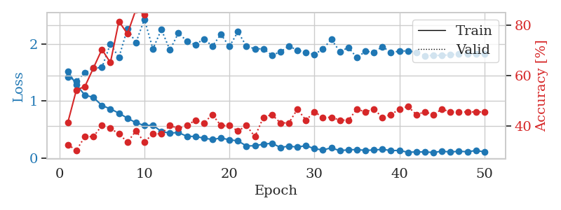
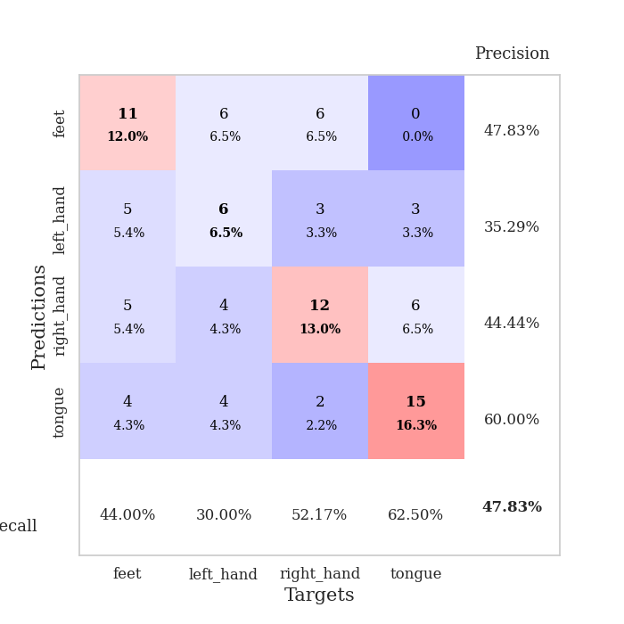
train_loss | valid_loss | train_accuracy | valid_accuracy | dur | train_misclass | valid_misclass
1.5197832429 | 1.4183897091 | 0.41576086957 | 0.32608695652 | 0.081490039825 | 41.576086957 | 32.608695652
1.2841685751 | 1.3521860942 | 0.54347826087 | 0.30434782609 | 0.079430818558 | 54.347826087 | 30.434782609
1.1014839126 | 1.4919102555 | 0.55706521739 | 0.35869565217 | 0.079137802124 | 55.706521739 | 35.869565217
1.0641981545 | 1.5765385887 | 0.63043478261 | 0.35869565217 | 0.079560041428 | 63.043478261 | 35.869565217
0.92041608302 | 1.5861984958 | 0.70380434783 | 0.40217391304 | 0.07942032814 | 70.380434783 | 40.217391304
0.86156643992 | 1.9998032114 | 0.65217391304 | 0.39130434783 | 0.079738616943 | 65.217391304 | 39.130434783
0.78601490933 | 1.7625405063 | 0.8152173913 | 0.36956521739 | 0.079083204269 | 81.52173913 | 36.956521739
0.69911644511 | 2.2652187451 | 0.76630434783 | 0.33695652174 | 0.079052448273 | 76.630434783 | 33.695652174
0.61867967766 | 2.0193875976 | 0.86141304348 | 0.38043478261 | 0.079482555389 | 86.141304348 | 38.043478261
0.57036886915 | 2.4323302456 | 0.84239130435 | 0.33695652174 | 0.079474925995 | 84.239130435 | 33.695652174
0.57604466055 | 1.9122566192 | 0.9375 | 0.36956521739 | 0.079368114471 | 93.75 | 36.956521739
0.46332817622 | 2.2527751974 | 0.89673913043 | 0.36956521739 | 0.079622745514 | 89.673913043 | 36.956521739
0.43715767498 | 1.8928246965 | 0.92934782609 | 0.40217391304 | 0.079527854919 | 92.934782609 | 40.217391304
0.44687583265 | 2.1925938026 | 0.96195652174 | 0.39130434783 | 0.079497337341 | 96.195652174 | 39.130434783
0.38042842824 | 2.0487933677 | 0.96467391304 | 0.40217391304 | 0.079382896423 | 96.467391304 | 40.217391304
0.37828911128 | 1.9878855529 | 0.96467391304 | 0.42391304348 | 0.079739093781 | 96.467391304 | 42.391304348
0.34775460868 | 2.0872857519 | 0.9347826087 | 0.41304347826 | 0.080092906952 | 93.47826087 | 41.304347826
0.32458200273 | 1.9613327565 | 0.96739130435 | 0.44565217391 | 0.079751729965 | 96.739130435 | 44.565217391
0.35012501673 | 2.1675977137 | 0.98913043478 | 0.40217391304 | 0.080059051514 | 98.913043478 | 40.217391304
0.32054659595 | 1.9541806916 | 0.96467391304 | 0.40217391304 | 0.079923391342 | 96.467391304 | 40.217391304
0.30016033287 | 2.2130735024 | 0.98641304348 | 0.38043478261 | 0.079730987549 | 98.641304348 | 38.043478261
0.21140780721 | 1.9606194652 | 0.9972826087 | 0.40217391304 | 0.079605102539 | 99.72826087 | 40.217391304
0.21521507851 | 1.9151135268 | 0.99456521739 | 0.35869565217 | 0.079743146896 | 99.456521739 | 35.869565217
0.24287484408 | 1.9145898663 | 0.95923913043 | 0.4347826087 | 0.080107688904 | 95.923913043 | 43.47826087
0.25803273884 | 1.8021967826 | 0.99456521739 | 0.44565217391 | 0.08040356636 | 99.456521739 | 44.565217391
0.1855767136 | 1.8602842714 | 0.99456521739 | 0.41304347826 | 0.079871892929 | 99.456521739 | 41.304347826
0.207885352 | 1.9637180463 | 0.9972826087 | 0.41304347826 | 0.079550266266 | 99.72826087 | 41.304347826
0.19121141327 | 1.88882693 | 1 | 0.46739130435 | 0.079638957977 | 100 | 46.739130435
0.21736915523 | 1.8540271261 | 1 | 0.42391304348 | 0.080250263214 | 100 | 42.391304348
0.16313254979 | 1.8134064467 | 0.9972826087 | 0.45652173913 | 0.07989692688 | 99.72826087 | 45.652173913
0.14116873989 | 1.9147430036 | 0.9972826087 | 0.4347826087 | 0.079775333405 | 99.72826087 | 43.47826087
0.17887735561 | 2.0783977975 | 0.9972826087 | 0.4347826087 | 0.079556941986 | 99.72826087 | 43.47826087
0.12723386531 | 1.8636819383 | 1 | 0.42391304348 | 0.079682350159 | 100 | 42.391304348
0.14626953281 | 1.9370880956 | 1 | 0.42391304348 | 0.07991361618 | 100 | 42.391304348
0.14675854065 | 1.7595889827 | 1 | 0.46739130435 | 0.079795837402 | 100 | 46.739130435
0.13473377847 | 1.8700090958 | 1 | 0.45652173913 | 0.079729795456 | 100 | 45.652173913
0.14053381315 | 1.855065465 | 1 | 0.46739130435 | 0.080078125 | 100 | 46.739130435
0.1522783731 | 1.9502699375 | 1 | 0.4347826087 | 0.079745054245 | 100 | 43.47826087
0.13036130919 | 1.8530738924 | 1 | 0.44565217391 | 0.079951524734 | 100 | 44.565217391
0.13317294629 | 1.8711901074 | 1 | 0.46739130435 | 0.079744815826 | 100 | 46.739130435
0.10086561772 | 1.8799464392 | 1 | 0.47826086957 | 0.079697847366 | 100 | 47.826086957
0.10750978796 | 1.8531051304 | 1 | 0.44565217391 | 0.080380678177 | 100 | 44.565217391
0.10636207915 | 1.7894610322 | 1 | 0.45652173913 | 0.079842090607 | 100 | 45.652173913
0.098102818365 | 1.801364002 | 1 | 0.44565217391 | 0.079900979996 | 100 | 44.565217391
0.11882559599 | 1.7960805737 | 1 | 0.46739130435 | 0.079816579819 | 100 | 46.739130435
0.10592929355 | 1.8129747484 | 1 | 0.45652173913 | 0.079838991165 | 100 | 45.652173913
0.1183220204 | 1.821914139 | 1 | 0.45652173913 | 0.079928398132 | 100 | 45.652173913
0.11000115473 | 1.8266697552 | 1 | 0.45652173913 | 0.079605817795 | 100 | 45.652173913
0.13090394826 | 1.8279549505 | 1 | 0.45652173913 | 0.079666376114 | 100 | 45.652173913
0.10854184449 | 1.8285864488 | 1 | 0.45652173913 | 0.079533815384 | 100 | 45.652173913

Best Val accuracy is 0.4782608695652174 and Best test accuracy is 0.43103448275862066

