Sheet
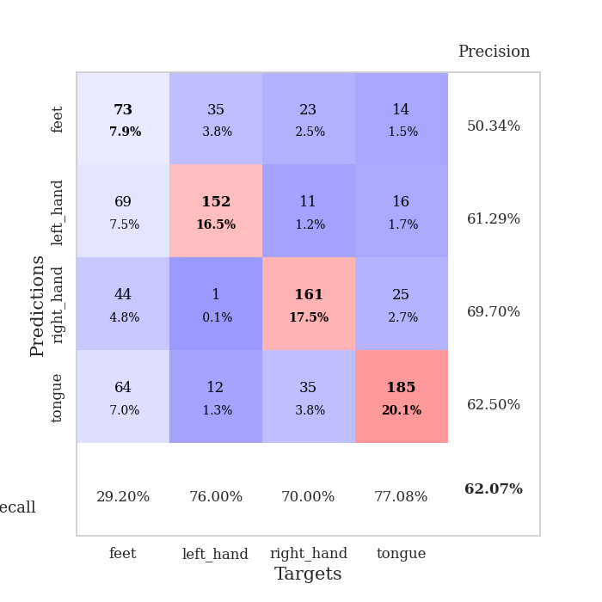
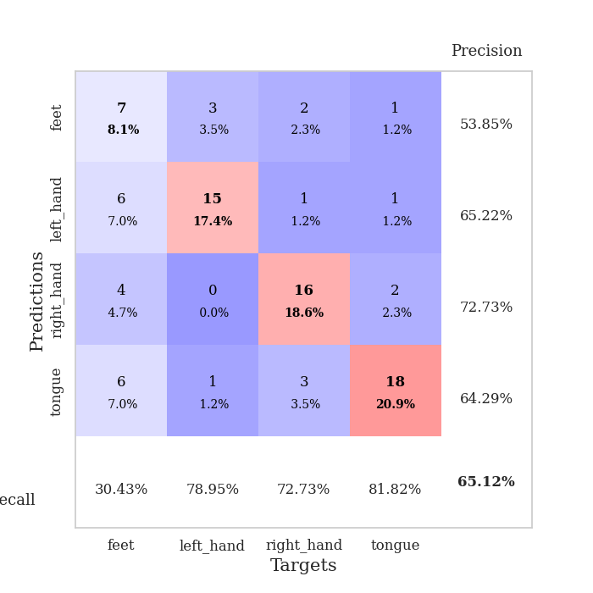
best_val_acc | best_val_los | best_test_acc
0.66304347826 | 1.1700864408 | 0.62068965517
0.60869565217 | 1.0954909273 | 0.62931034483
0.66304347826 | 1.2385863895 | 0.64655172414
0.66304347826 | 1.0993625496 | 0.60344827586
0.63043478261 | 1.1589799342 | 0.64655172414
0.58695652174 | 1.1437873814 | 0.62931034483
0.58695652174 | 1.3008601355 | 0.61206896552
0.59782608696 | 1.335931581 | 0.56896551724
0.60869565217 | 1.2952998773 | 0.62068965517
0.59782608696 | 1.3443438048 | 0.58620689655

Mean,std Val accuracy is 0.6206521739130435 , 0.03177269749042569 and mean, std test accuracy is 0.6163793103448276 , 0.024802696123034585

Sheet1
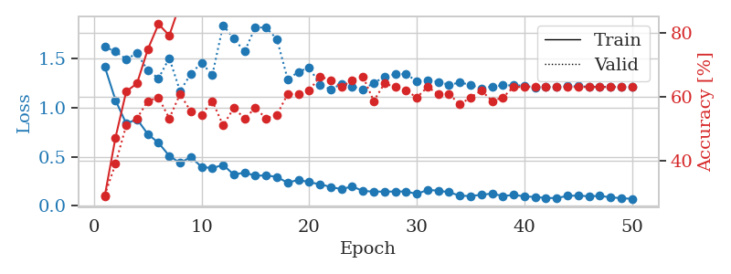
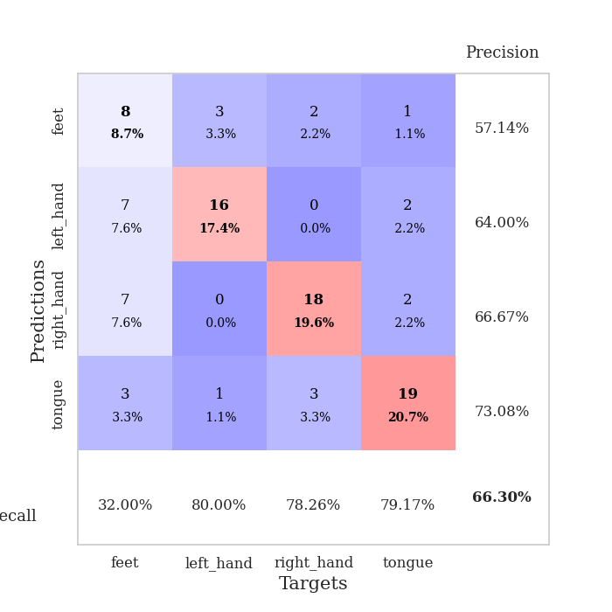
train_loss | valid_loss | train_accuracy | valid_accuracy | dur | train_misclass | valid_misclass
1.4217700699 | 1.6210786933 | 0.29076086957 | 0.29347826087 | 0.08114862442 | 29.076086957 | 29.347826087
1.0792868967 | 1.5753853788 | 0.47282608696 | 0.39130434783 | 0.079805135727 | 47.282608696 | 39.130434783
0.83851853402 | 1.4966277247 | 0.61684782609 | 0.51086956522 | 0.079411745071 | 61.684782609 | 51.086956522
0.88434232577 | 1.5569211892 | 0.64130434783 | 0.53260869565 | 0.07972574234 | 64.130434783 | 53.260869565
0.73317670693 | 1.3823114815 | 0.7472826087 | 0.58695652174 | 0.079387187958 | 74.72826087 | 58.695652174
0.64326963606 | 1.3010065219 | 0.82608695652 | 0.59782608696 | 0.079619169235 | 82.608695652 | 59.782608696
0.51007632976 | 1.5085927274 | 0.79076086957 | 0.53260869565 | 0.079647064209 | 79.076086957 | 53.260869565
0.43792423671 | 1.1700864408 | 0.88858695652 | 0.60869565217 | 0.079529762268 | 88.858695652 | 60.869565217
0.49791069394 | 1.3465011275 | 0.8722826087 | 0.55434782609 | 0.07989692688 | 87.22826087 | 55.434782609
0.39811024199 | 1.4613230177 | 0.88043478261 | 0.54347826087 | 0.079917192459 | 88.043478261 | 54.347826087
0.38477412903 | 1.3347005533 | 0.92391304348 | 0.58695652174 | 0.079845428467 | 92.391304348 | 58.695652174
0.41821294505 | 1.8441272248 | 0.86956521739 | 0.51086956522 | 0.079404354095 | 86.956521739 | 51.086956522
0.31863455118 | 1.7050617778 | 0.90489130435 | 0.5652173913 | 0.079485654831 | 90.489130435 | 56.52173913
0.34045561435 | 1.5751779235 | 0.90489130435 | 0.53260869565 | 0.079628229141 | 90.489130435 | 53.260869565
0.30729405744 | 1.8234367526 | 0.89673913043 | 0.5652173913 | 0.079975366592 | 89.673913043 | 56.52173913
0.3110112807 | 1.817393474 | 0.90489130435 | 0.53260869565 | 0.0794942379 | 90.489130435 | 53.260869565
0.29560297468 | 1.7029910243 | 0.93206521739 | 0.54347826087 | 0.079742670059 | 93.206521739 | 54.347826087
0.23579459475 | 1.2915755951 | 0.98641304348 | 0.60869565217 | 0.079991579056 | 98.641304348 | 60.869565217
0.26608360947 | 1.366181301 | 0.98369565217 | 0.60869565217 | 0.079790353775 | 98.369565217 | 60.869565217
0.24152984648 | 1.4134596457 | 0.98913043478 | 0.61956521739 | 0.079542398453 | 98.913043478 | 61.956521739
0.22034783564 | 1.2350757485 | 0.99184782609 | 0.66304347826 | 0.079516410828 | 99.184782609 | 66.304347826
0.19341718535 | 1.1884610212 | 0.9972826087 | 0.65217391304 | 0.079572916031 | 99.72826087 | 65.217391304
0.17015552909 | 1.2439264759 | 1 | 0.63043478261 | 0.079429149628 | 100 | 63.043478261
0.19850351499 | 1.2178889643 | 1 | 0.65217391304 | 0.079387426376 | 100 | 65.217391304
0.15180475605 | 1.1896004508 | 0.9972826087 | 0.66304347826 | 0.079407691956 | 99.72826087 | 66.304347826
0.14574790122 | 1.252795787 | 1 | 0.58695652174 | 0.079530477524 | 100 | 58.695652174
0.14571833173 | 1.3173673127 | 1 | 0.64130434783 | 0.079770088196 | 100 | 64.130434783
0.14619919844 | 1.343748953 | 0.9972826087 | 0.63043478261 | 0.079940080643 | 99.72826087 | 63.043478261
0.14735485727 | 1.3458503614 | 1 | 0.61956521739 | 0.079454421997 | 100 | 61.956521739
0.12102699004 | 1.2719867229 | 1 | 0.59782608696 | 0.079626321793 | 100 | 59.782608696
0.1632983721 | 1.2795395048 | 1 | 0.63043478261 | 0.079715013504 | 100 | 63.043478261
0.1548576227 | 1.2664448671 | 1 | 0.60869565217 | 0.079791307449 | 100 | 60.869565217
0.13926448471 | 1.2343241417 | 1 | 0.60869565217 | 0.079948663712 | 100 | 60.869565217
0.10395323752 | 1.2587765585 | 1 | 0.57608695652 | 0.079668521881 | 100 | 57.608695652
0.1000629623 | 1.2345567657 | 1 | 0.59782608696 | 0.081073999405 | 100 | 59.782608696
0.11352094753 | 1.1951626099 | 1 | 0.61956521739 | 0.080040931702 | 100 | 61.956521739
0.12536021476 | 1.2196369456 | 1 | 0.58695652174 | 0.080147266388 | 100 | 58.695652174
0.099975792691 | 1.2295513153 | 1 | 0.59782608696 | 0.080049037933 | 100 | 59.782608696
0.11178797435 | 1.2298676631 | 1 | 0.63043478261 | 0.079932928085 | 100 | 63.043478261
0.097205545591 | 1.2274686383 | 1 | 0.63043478261 | 0.080117940903 | 100 | 63.043478261
0.090314801377 | 1.2080166729 | 1 | 0.63043478261 | 0.079944133759 | 100 | 63.043478261
0.081212229662 | 1.2166002315 | 1 | 0.63043478261 | 0.080353975296 | 100 | 63.043478261
0.079552488402 | 1.2157526198 | 1 | 0.63043478261 | 0.08039188385 | 100 | 63.043478261
0.10185362374 | 1.2213629977 | 1 | 0.63043478261 | 0.080669164658 | 100 | 63.043478261
0.10482019842 | 1.2207552169 | 1 | 0.63043478261 | 0.08106136322 | 100 | 63.043478261
0.097647565538 | 1.2159934795 | 1 | 0.63043478261 | 0.080750226974 | 100 | 63.043478261
0.10213775107 | 1.2152167429 | 1 | 0.63043478261 | 0.082291603088 | 100 | 63.043478261
0.087052894837 | 1.2157079344 | 1 | 0.63043478261 | 0.079697608948 | 100 | 63.043478261
0.079018490956 | 1.216338676 | 1 | 0.63043478261 | 0.079564332962 | 100 | 63.043478261
0.071411758661 | 1.2169622753 | 1 | 0.63043478261 | 0.07980298996 | 100 | 63.043478261

Best Val accuracy is 0.6630434782608695 and Best test accuracy is 0.6206896551724138

Sheet2
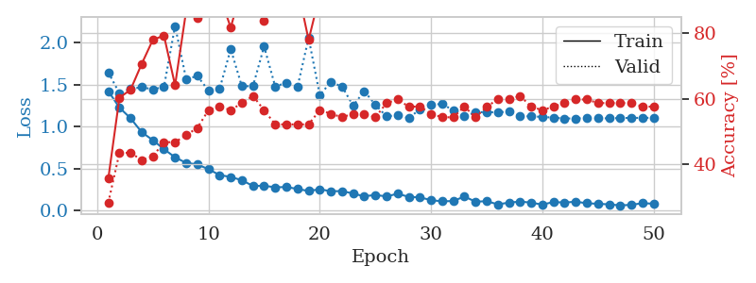
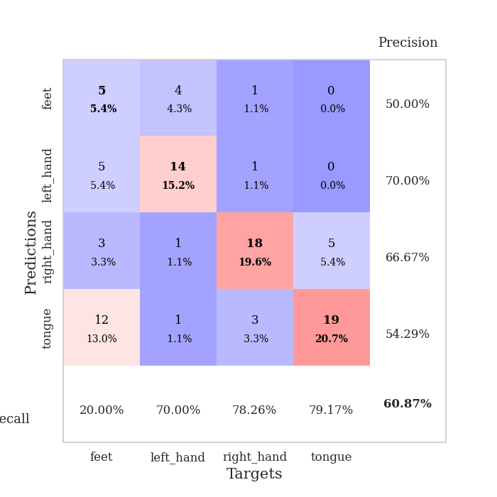
train_loss | valid_loss | train_accuracy | valid_accuracy | dur | train_misclass | valid_misclass
1.4212201212 | 1.6446115504 | 0.35597826087 | 0.28260869565 | 0.080790996552 | 35.597826087 | 28.260869565
1.2249329842 | 1.3940108755 | 0.60326086957 | 0.4347826087 | 0.081363677979 | 60.326086957 | 43.47826087
1.0985850873 | 1.4462853722 | 0.6277173913 | 0.4347826087 | 0.080403327942 | 62.77173913 | 43.47826087
0.93381207663 | 1.4672582305 | 0.70652173913 | 0.41304347826 | 0.079669713974 | 70.652173913 | 41.304347826
0.83840794149 | 1.4421455135 | 0.77989130435 | 0.42391304348 | 0.079981565475 | 77.989130435 | 42.391304348
0.73210153891 | 1.4691612021 | 0.79347826087 | 0.46739130435 | 0.079855680466 | 79.347826087 | 46.739130435
0.63460294967 | 2.1944232246 | 0.64130434783 | 0.46739130435 | 0.080086231232 | 64.130434783 | 46.739130435
0.56839527514 | 1.5607962686 | 0.86956521739 | 0.48913043478 | 0.080192327499 | 86.956521739 | 48.913043478
0.55060472501 | 1.6012353534 | 0.84782608696 | 0.51086956522 | 0.080306768417 | 84.782608696 | 51.086956522
0.49352513966 | 1.4273881083 | 0.90760869565 | 0.5652173913 | 0.080317497253 | 90.760869565 | 56.52173913
0.42455337488 | 1.446489474 | 0.91576086957 | 0.57608695652 | 0.079434871674 | 91.576086957 | 57.608695652
0.40145981862 | 1.9203046871 | 0.81793478261 | 0.5652173913 | 0.08034658432 | 81.793478261 | 56.52173913
0.36274000873 | 1.4778145707 | 0.9375 | 0.58695652174 | 0.080078840256 | 93.75 | 58.695652174
0.29492217173 | 1.4804879945 | 0.95380434783 | 0.60869565217 | 0.082234621048 | 95.380434783 | 60.869565217
0.29711092879 | 1.9501930527 | 0.83967391304 | 0.5652173913 | 0.080239057541 | 83.967391304 | 56.52173913
0.27883227526 | 1.474677713 | 0.92391304348 | 0.52173913043 | 0.080088376999 | 92.391304348 | 52.173913043
0.2820180039 | 1.5216173815 | 0.95652173913 | 0.52173913043 | 0.07997751236 | 95.652173913 | 52.173913043
0.25929417332 | 1.4688088531 | 0.9402173913 | 0.52173913043 | 0.0798869133 | 94.02173913 | 52.173913043
0.23479728449 | 2.052765074 | 0.77989130435 | 0.52173913043 | 0.079989671707 | 77.989130435 | 52.173913043
0.25588537218 | 1.374567488 | 0.91847826087 | 0.5652173913 | 0.079990625381 | 91.847826087 | 56.52173913
0.23176152972 | 1.5268225307 | 0.98369565217 | 0.55434782609 | 0.079828500748 | 98.369565217 | 55.434782609
0.23402183762 | 1.476552419 | 0.98369565217 | 0.54347826087 | 0.080127239227 | 98.369565217 | 54.347826087
0.2048557668 | 1.2476457979 | 0.97282608696 | 0.55434782609 | 0.079807043076 | 97.282608696 | 55.434782609
0.17140744886 | 1.4205273131 | 0.99456521739 | 0.55434782609 | 0.0818400383 | 99.456521739 | 55.434782609
0.18873675313 | 1.2587494746 | 0.9972826087 | 0.54347826087 | 0.078998565674 | 99.72826087 | 54.347826087
0.16960192277 | 1.1193167956 | 1 | 0.58695652174 | 0.079631567001 | 100 | 58.695652174
0.20326175524 | 1.1374762991 | 1 | 0.59782608696 | 0.079631567001 | 100 | 59.782608696
0.16485616986 | 1.0996124744 | 0.99456521739 | 0.57608695652 | 0.079220294952 | 99.456521739 | 57.608695652
0.15941652121 | 1.2059731224 | 1 | 0.57608695652 | 0.079364299774 | 100 | 57.608695652
0.12643267591 | 1.2628889032 | 0.9972826087 | 0.55434782609 | 0.079412698746 | 99.72826087 | 55.434782609
0.11157398234 | 1.2667119555 | 0.9972826087 | 0.54347826087 | 0.07950925827 | 99.72826087 | 54.347826087
0.11632055457 | 1.1937507028 | 0.9972826087 | 0.54347826087 | 0.079406023026 | 99.72826087 | 54.347826087
0.16914787014 | 1.1246110616 | 0.9972826087 | 0.57608695652 | 0.079495191574 | 99.72826087 | 57.608695652
0.10756362659 | 1.1668819085 | 1 | 0.54347826087 | 0.0794672966 | 100 | 54.347826087
0.11436730291 | 1.1742864795 | 1 | 0.57608695652 | 0.079680681229 | 100 | 57.608695652
0.075802530203 | 1.165067538 | 1 | 0.59782608696 | 0.079399585724 | 100 | 59.782608696
0.097172042274 | 1.1822493024 | 1 | 0.59782608696 | 0.079296827316 | 100 | 59.782608696
0.10878448569 | 1.1246038675 | 1 | 0.60869565217 | 0.079740524292 | 100 | 60.869565217
0.097078670302 | 1.1204131583 | 1 | 0.57608695652 | 0.079410076141 | 100 | 57.608695652
0.072676422317 | 1.1149981696 | 1 | 0.5652173913 | 0.079548597336 | 100 | 56.52173913
0.10454965828 | 1.1054826871 | 1 | 0.57608695652 | 0.079620838165 | 100 | 57.608695652
0.09706705752 | 1.0967291127 | 1 | 0.58695652174 | 0.080950021744 | 100 | 58.695652174
0.10827364983 | 1.0954909273 | 1 | 0.59782608696 | 0.080744743347 | 100 | 59.782608696
0.088968534994 | 1.103005855 | 1 | 0.59782608696 | 0.080250501633 | 100 | 59.782608696
0.083170525487 | 1.0976144283 | 1 | 0.58695652174 | 0.079630374908 | 100 | 58.695652174
0.07613590959 | 1.0978677428 | 1 | 0.58695652174 | 0.079644203186 | 100 | 58.695652174
0.06378348856 | 1.1011532493 | 1 | 0.58695652174 | 0.079472064972 | 100 | 58.695652174
0.070578794886 | 1.1029962716 | 1 | 0.58695652174 | 0.079377651215 | 100 | 58.695652174
0.090033554391 | 1.1032434339 | 1 | 0.57608695652 | 0.079354286194 | 100 | 57.608695652
0.083934399907 | 1.103930209 | 1 | 0.57608695652 | 0.079303741455 | 100 | 57.608695652

Best Val accuracy is 0.6086956521739131 and Best test accuracy is 0.6293103448275862

Sheet3
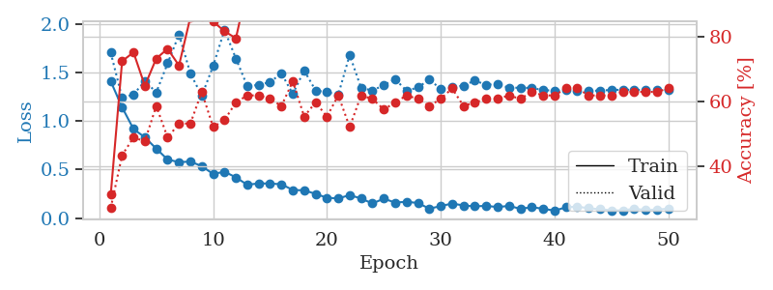
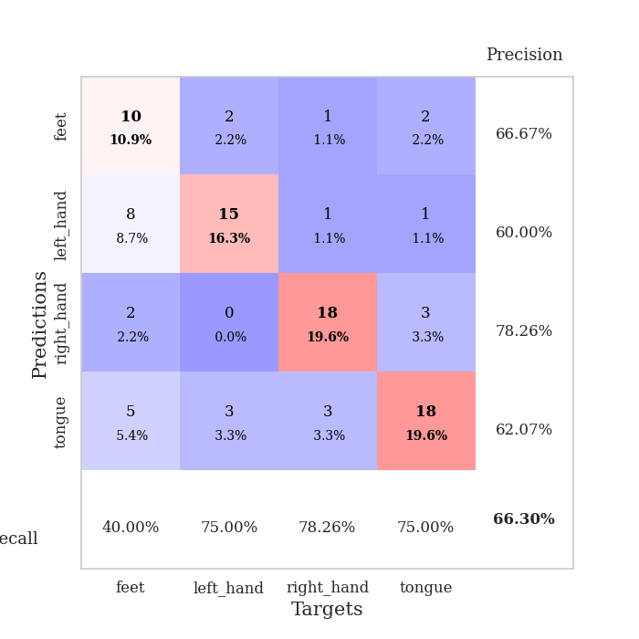
train_loss | valid_loss | train_accuracy | valid_accuracy | dur | train_misclass | valid_misclass
1.4078442999 | 1.7028723333 | 0.3125 | 0.27173913043 | 0.080322742462 | 31.25 | 27.173913043
1.1399262029 | 1.2385863895 | 0.72554347826 | 0.4347826087 | 0.082032203674 | 72.554347826 | 43.47826087
0.9164414354 | 1.2710073202 | 0.7527173913 | 0.48913043478 | 0.079871177673 | 75.27173913 | 48.913043478
0.83069886591 | 1.412292211 | 0.64945652174 | 0.47826086957 | 0.0797996521 | 64.945652174 | 47.826086957
0.71466094774 | 1.2929877431 | 0.73369565217 | 0.58695652174 | 0.080201387405 | 73.369565217 | 58.695652174
0.60209851291 | 1.5933304688 | 0.76358695652 | 0.48913043478 | 0.079654216766 | 76.358695652 | 48.913043478
0.57528204633 | 1.8892741203 | 0.71195652174 | 0.53260869565 | 0.079242706299 | 71.195652174 | 53.260869565
0.581185245 | 1.4896628105 | 0.86141304348 | 0.53260869565 | 0.079401493073 | 86.141304348 | 53.260869565
0.53434278136 | 1.2588102882 | 0.86413043478 | 0.63043478261 | 0.079608678818 | 86.413043478 | 63.043478261
0.45308268589 | 1.5655488165 | 0.84782608696 | 0.52173913043 | 0.079673290253 | 84.782608696 | 52.173913043
0.4770937413 | 1.9370778747 | 0.81793478261 | 0.54347826087 | 0.079411029816 | 81.793478261 | 54.347826087
0.41803150721 | 1.6424214218 | 0.79619565217 | 0.59782608696 | 0.079964399338 | 79.619565217 | 59.782608696
0.34220720568 | 1.3586151185 | 0.95380434783 | 0.61956521739 | 0.079539775848 | 95.380434783 | 61.956521739
0.35648565772 | 1.3705973949 | 0.95652173913 | 0.61956521739 | 0.079576969147 | 95.652173913 | 61.956521739
0.35485592031 | 1.399772635 | 0.91847826087 | 0.60869565217 | 0.079797029495 | 91.847826087 | 60.869565217
0.34766117321 | 1.4891162735 | 0.96195652174 | 0.58695652174 | 0.079840660095 | 96.195652174 | 58.695652174
0.2885225804 | 1.2781246862 | 0.97826086957 | 0.66304347826 | 0.079949617386 | 97.826086957 | 66.304347826
0.28499606381 | 1.5191382247 | 0.94565217391 | 0.55434782609 | 0.080155134201 | 94.565217391 | 55.434782609
0.24862453989 | 1.3142805773 | 0.99184782609 | 0.59782608696 | 0.082046985626 | 99.184782609 | 59.782608696
0.20846568064 | 1.295843539 | 0.99456521739 | 0.55434782609 | 0.082140922546 | 99.456521739 | 55.434782609
0.2014880642 | 1.2717082099 | 0.98641304348 | 0.61956521739 | 0.080157995224 | 98.641304348 | 61.956521739
0.23606198897 | 1.6798796887 | 0.89673913043 | 0.52173913043 | 0.079828262329 | 89.673913043 | 52.173913043
0.20039238813 | 1.3403117346 | 0.99184782609 | 0.61956521739 | 0.079928636551 | 99.184782609 | 61.956521739
0.14981822265 | 1.312262057 | 0.9972826087 | 0.60869565217 | 0.079902172089 | 99.72826087 | 60.869565217
0.19931039773 | 1.3693271668 | 0.99456521739 | 0.57608695652 | 0.08256483078 | 99.456521739 | 57.608695652
0.15830476323 | 1.4298123212 | 0.9972826087 | 0.59782608696 | 0.079925775528 | 99.72826087 | 59.782608696
0.16772641015 | 1.3097061878 | 0.9972826087 | 0.61956521739 | 0.079854249954 | 99.72826087 | 61.956521739
0.154150092 | 1.3444399095 | 0.99184782609 | 0.60869565217 | 0.079963922501 | 99.184782609 | 60.869565217
0.096335219786 | 1.4258192039 | 0.9972826087 | 0.58695652174 | 0.080346107483 | 99.72826087 | 58.695652174
0.12257429957 | 1.3292153024 | 1 | 0.60869565217 | 0.080174922943 | 100 | 60.869565217
0.14904962925 | 1.3485761168 | 1 | 0.64130434783 | 0.080044031143 | 100 | 64.130434783
0.12923394135 | 1.3634949974 | 1 | 0.58695652174 | 0.079786539078 | 100 | 58.695652174
0.11962524364 | 1.4158205196 | 1 | 0.59782608696 | 0.079814195633 | 100 | 59.782608696
0.12562235007 | 1.3705883169 | 1 | 0.60869565217 | 0.079807758331 | 100 | 60.869565217
0.11194386171 | 1.3822693838 | 1 | 0.60869565217 | 0.079824209213 | 100 | 60.869565217
0.12528967493 | 1.3397344364 | 1 | 0.61956521739 | 0.079912424088 | 100 | 61.956521739
0.094278684615 | 1.3425916174 | 1 | 0.60869565217 | 0.080051183701 | 100 | 60.869565217
0.1113100426 | 1.3390039309 | 1 | 0.63043478261 | 0.079903125763 | 100 | 63.043478261
0.095202687885 | 1.3176526285 | 1 | 0.61956521739 | 0.080021619797 | 100 | 61.956521739
0.075776031322 | 1.3107253469 | 1 | 0.61956521739 | 0.081268072128 | 100 | 61.956521739
0.11000069336 | 1.3176067225 | 1 | 0.64130434783 | 0.080585002899 | 100 | 64.130434783
0.1174257792 | 1.3128700373 | 1 | 0.64130434783 | 0.079909801483 | 100 | 64.130434783
0.099908428996 | 1.3082912059 | 1 | 0.61956521739 | 0.079600095749 | 100 | 61.956521739
0.090452523092 | 1.3127678516 | 1 | 0.61956521739 | 0.079729318619 | 100 | 61.956521739
0.078785310135 | 1.3181314326 | 1 | 0.61956521739 | 0.079522371292 | 100 | 61.956521739
0.078146549509 | 1.3214165659 | 1 | 0.63043478261 | 0.082318067551 | 100 | 63.043478261
0.095094477029 | 1.3203064164 | 1 | 0.63043478261 | 0.079322338104 | 100 | 63.043478261
0.082482019115 | 1.3196953224 | 1 | 0.63043478261 | 0.079492807388 | 100 | 63.043478261
0.086536458309 | 1.3188062181 | 1 | 0.63043478261 | 0.079545497894 | 100 | 63.043478261
0.096027618598 | 1.3195907253 | 1 | 0.64130434783 | 0.079600095749 | 100 | 64.130434783

Best Val accuracy is 0.6630434782608695 and Best test accuracy is 0.646551724137931

Sheet4
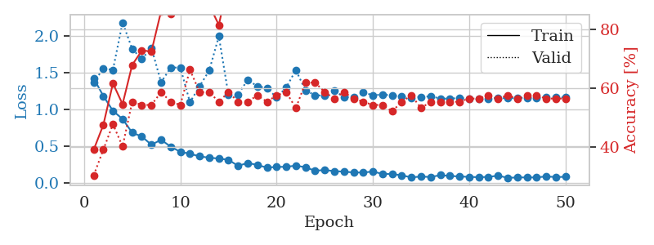
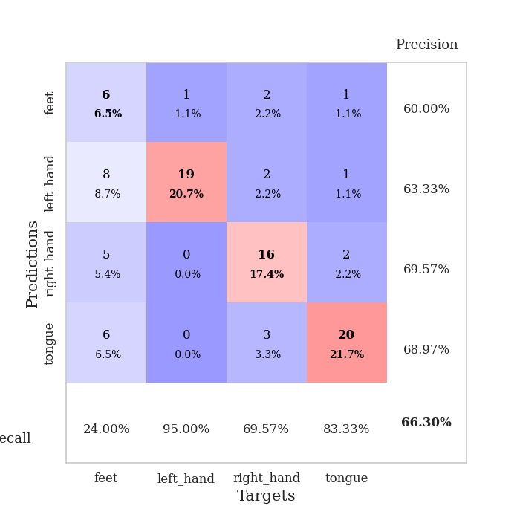
train_loss | valid_loss | train_accuracy | valid_accuracy | dur | train_misclass | valid_misclass
1.4254472204 | 1.3676954301 | 0.39130434783 | 0.30434782609 | 0.080527305603 | 39.130434783 | 30.434782609
1.1852104249 | 1.5593149247 | 0.47554347826 | 0.39130434783 | 0.079633712769 | 47.554347826 | 39.130434783
0.98344096671 | 1.540533737 | 0.61684782609 | 0.47826086957 | 0.079561948776 | 61.684782609 | 47.826086957
0.87168075727 | 2.1846384536 | 0.54619565217 | 0.40217391304 | 0.079374313354 | 54.619565217 | 40.217391304
0.68622041656 | 1.824588672 | 0.67934782609 | 0.55434782609 | 0.07940196991 | 67.934782609 | 55.434782609
0.63369922146 | 1.6881531451 | 0.72826086957 | 0.54347826087 | 0.079513311386 | 72.826086957 | 54.347826087
0.52168112216 | 1.839105093 | 0.72554347826 | 0.54347826087 | 0.079663515091 | 72.554347826 | 54.347826087
0.59010006293 | 1.3707353447 | 0.86141304348 | 0.58695652174 | 0.079537153244 | 86.141304348 | 58.695652174
0.49549539582 | 1.5718410274 | 0.85326086957 | 0.55434782609 | 0.079653263092 | 85.326086957 | 55.434782609
0.42552488848 | 1.571685252 | 0.86956521739 | 0.54347826087 | 0.079463005066 | 86.956521739 | 54.347826087
0.39942808125 | 1.0993625496 | 0.92663043478 | 0.66304347826 | 0.079345226288 | 92.663043478 | 66.304347826
0.36359912481 | 1.3171362566 | 0.86684782609 | 0.58695652174 | 0.079566478729 | 86.684782609 | 58.695652174
0.34617906291 | 1.5315781624 | 0.88315217391 | 0.58695652174 | 0.079117298126 | 88.315217391 | 58.695652174
0.33422901028 | 1.9965651813 | 0.8152173913 | 0.55434782609 | 0.079126834869 | 81.52173913 | 55.434782609
0.3169140508 | 1.1966433136 | 0.96467391304 | 0.58695652174 | 0.079022884369 | 96.467391304 | 58.695652174
0.23474916297 | 1.206646686 | 0.95923913043 | 0.55434782609 | 0.079524755478 | 95.923913043 | 55.434782609
0.27460633866 | 1.4051070965 | 0.97010869565 | 0.55434782609 | 0.079007863998 | 97.010869565 | 55.434782609
0.24705579423 | 1.3162110292 | 0.98369565217 | 0.57608695652 | 0.079327821732 | 98.369565217 | 57.608695652
0.21059982317 | 1.2941671921 | 0.98369565217 | 0.55434782609 | 0.079554796219 | 98.369565217 | 55.434782609
0.22071151241 | 1.1645197091 | 0.98913043478 | 0.57608695652 | 0.079349517822 | 98.913043478 | 57.608695652
0.22192941379 | 1.3007500949 | 0.97282608696 | 0.58695652174 | 0.079466104507 | 97.282608696 | 58.695652174
0.23813194879 | 1.5381189688 | 0.96467391304 | 0.53260869565 | 0.079394340515 | 96.467391304 | 53.260869565
0.21558966423 | 1.2608911188 | 0.99184782609 | 0.61956521739 | 0.079337835312 | 99.184782609 | 61.956521739
0.16757095054 | 1.1959072792 | 0.9972826087 | 0.61956521739 | 0.07949757576 | 99.72826087 | 61.956521739
0.17912196967 | 1.1890975237 | 1 | 0.58695652174 | 0.079296827316 | 100 | 58.695652174
0.16233319741 | 1.2584894118 | 1 | 0.5652173913 | 0.079304218292 | 100 | 56.52173913
0.15688573358 | 1.1694055588 | 1 | 0.58695652174 | 0.079624176025 | 100 | 58.695652174
0.14459849999 | 1.1703708016 | 0.9972826087 | 0.5652173913 | 0.079629898071 | 99.72826087 | 56.52173913
0.14510376476 | 1.23356383 | 1 | 0.55434782609 | 0.079634428024 | 100 | 55.434782609
0.15709771831 | 1.1962350866 | 1 | 0.54347826087 | 0.079563856125 | 100 | 54.347826087
0.12576630882 | 1.203476061 | 1 | 0.54347826087 | 0.079851150513 | 100 | 54.347826087
0.12308744819 | 1.194083105 | 1 | 0.52173913043 | 0.082921504974 | 100 | 52.173913043
0.10668396496 | 1.1744187967 | 1 | 0.55434782609 | 0.079352855682 | 100 | 55.434782609
0.077403762499 | 1.1605127739 | 0.9972826087 | 0.57608695652 | 0.079520702362 | 99.72826087 | 57.608695652
0.090405006933 | 1.1731844285 | 1 | 0.53260869565 | 0.079669237137 | 100 | 53.260869565
0.082501999386 | 1.1792643096 | 1 | 0.55434782609 | 0.081022977829 | 100 | 55.434782609
0.10849800107 | 1.1517019505 | 1 | 0.55434782609 | 0.079375505447 | 100 | 55.434782609
0.098048971237 | 1.1471255681 | 1 | 0.55434782609 | 0.079669475555 | 100 | 55.434782609
0.090728394242 | 1.1603630289 | 1 | 0.55434782609 | 0.079475641251 | 100 | 55.434782609
0.084904775995 | 1.1441558029 | 1 | 0.5652173913 | 0.079583644867 | 100 | 56.52173913
0.080430078847 | 1.1515933975 | 1 | 0.5652173913 | 0.079673290253 | 100 | 56.52173913
0.084370393508 | 1.1497058013 | 1 | 0.57608695652 | 0.079703330994 | 100 | 57.608695652
0.10186472057 | 1.1592343553 | 1 | 0.5652173913 | 0.079882144928 | 100 | 56.52173913
0.072180439354 | 1.1527714833 | 1 | 0.57608695652 | 0.07994556427 | 100 | 57.608695652
0.076882127348 | 1.1595952304 | 1 | 0.5652173913 | 0.079716205597 | 100 | 56.52173913
0.077798674531 | 1.160492288 | 1 | 0.57608695652 | 0.07963681221 | 100 | 57.608695652
0.07700694154 | 1.1626355544 | 1 | 0.57608695652 | 0.079579114914 | 100 | 57.608695652
0.091713001709 | 1.1649304058 | 1 | 0.5652173913 | 0.07980465889 | 100 | 56.52173913
0.081910421302 | 1.1656372754 | 1 | 0.5652173913 | 0.081740379333 | 100 | 56.52173913
0.086362068622 | 1.1660032868 | 1 | 0.5652173913 | 0.079733133316 | 100 | 56.52173913

Best Val accuracy is 0.6630434782608695 and Best test accuracy is 0.603448275862069

Sheet5
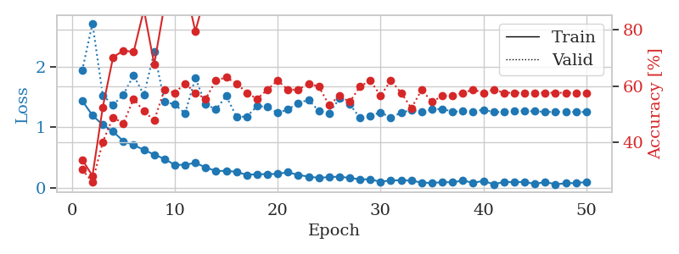
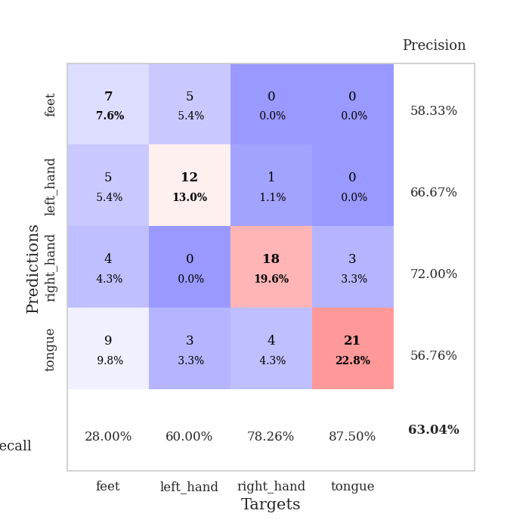
train_loss | valid_loss | train_accuracy | valid_accuracy | dur | train_misclass | valid_misclass
1.4436451093 | 1.9422278041 | 0.33967391304 | 0.30434782609 | 0.080388784409 | 33.967391304 | 30.434782609
1.2006582074 | 2.7275314487 | 0.28260869565 | 0.26086956522 | 0.079453706741 | 28.260869565 | 26.086956522
1.0426128947 | 1.5325593145 | 0.52445652174 | 0.40217391304 | 0.07923579216 | 52.445652174 | 40.217391304
0.93173525385 | 1.371208362 | 0.70108695652 | 0.48913043478 | 0.079385995865 | 70.108695652 | 48.913043478
0.77292410705 | 1.5437699712 | 0.72554347826 | 0.46739130435 | 0.079484224319 | 72.554347826 | 46.739130435
0.70766743758 | 1.8625802631 | 0.72010869565 | 0.55434782609 | 0.079390764236 | 72.010869565 | 55.434782609
0.62769523133 | 1.5374507127 | 0.86956521739 | 0.51086956522 | 0.079224348068 | 86.956521739 | 51.086956522
0.54949727784 | 2.2511604143 | 0.67663043478 | 0.47826086957 | 0.079519033432 | 67.663043478 | 47.826086957
0.47721290718 | 1.423751844 | 0.88586956522 | 0.58695652174 | 0.07968044281 | 88.586956522 | 58.695652174
0.37809145969 | 1.3814795121 | 0.89673913043 | 0.57608695652 | 0.079844474792 | 89.673913043 | 57.608695652
0.38049550938 | 1.2351803546 | 0.95380434783 | 0.60869565217 | 0.079900026321 | 95.380434783 | 60.869565217
0.41246083379 | 1.8181601154 | 0.79347826087 | 0.57608695652 | 0.07984662056 | 79.347826087 | 57.608695652
0.33729049887 | 1.3865189786 | 0.92663043478 | 0.55434782609 | 0.079833507538 | 92.663043478 | 55.434782609
0.2767419219 | 1.2975865564 | 0.95380434783 | 0.61956521739 | 0.079879760742 | 95.380434783 | 61.956521739
0.27983464495 | 1.5203503707 | 0.8777173913 | 0.63043478261 | 0.07998919487 | 87.77173913 | 63.043478261
0.26346070417 | 1.1778541259 | 0.97282608696 | 0.60869565217 | 0.080085992813 | 97.282608696 | 60.869565217
0.21145825898 | 1.1790701954 | 0.98097826087 | 0.57608695652 | 0.080039262772 | 98.097826087 | 57.608695652
0.22551346603 | 1.354291579 | 0.99456521739 | 0.55434782609 | 0.083938598633 | 99.456521739 | 55.434782609
0.22312786624 | 1.3408874895 | 0.98369565217 | 0.58695652174 | 0.07963848114 | 98.369565217 | 58.695652174
0.23095026256 | 1.241620424 | 0.97010869565 | 0.61956521739 | 0.079333305359 | 97.010869565 | 61.956521739
0.25593030388 | 1.2982486072 | 0.99184782609 | 0.58695652174 | 0.079272508621 | 99.184782609 | 58.695652174
0.21201574802 | 1.4047545687 | 0.97554347826 | 0.58695652174 | 0.079786300659 | 97.554347826 | 58.695652174
0.18447617701 | 1.4567150733 | 0.98097826087 | 0.60869565217 | 0.079721212387 | 98.097826087 | 60.869565217
0.1635259943 | 1.2737873637 | 0.9972826087 | 0.59782608696 | 0.079252481461 | 99.72826087 | 59.782608696
0.17604420269 | 1.2367747037 | 0.9972826087 | 0.53260869565 | 0.087434053421 | 99.72826087 | 53.260869565
0.18409222802 | 1.4775772872 | 0.97826086957 | 0.5652173913 | 0.078941106796 | 97.826086957 | 56.52173913
0.1610232326 | 1.3830125176 | 0.99456521739 | 0.54347826087 | 0.079175949097 | 99.456521739 | 54.347826087
0.14075100365 | 1.160564959 | 1 | 0.59782608696 | 0.07964849472 | 100 | 59.782608696
0.13693262442 | 1.1869825254 | 0.99456521739 | 0.61956521739 | 0.079613447189 | 99.456521739 | 61.956521739
0.10005503994 | 1.2526771659 | 0.99456521739 | 0.5652173913 | 0.0807492733 | 99.456521739 | 56.52173913
0.12095415058 | 1.1589799342 | 1 | 0.61956521739 | 0.080716133118 | 100 | 61.956521739
0.12322430005 | 1.2485632689 | 1 | 0.57608695652 | 0.080116033554 | 100 | 57.608695652
0.11751578327 | 1.2875915714 | 1 | 0.52173913043 | 0.081700801849 | 100 | 52.173913043
0.084972774853 | 1.253158432 | 0.9972826087 | 0.58695652174 | 0.080583333969 | 99.72826087 | 58.695652174
0.078477236361 | 1.2991126465 | 1 | 0.54347826087 | 0.079786777496 | 100 | 54.347826087
0.091321219164 | 1.3082838914 | 1 | 0.5652173913 | 0.079791307449 | 100 | 56.52173913
0.09000883624 | 1.262176848 | 1 | 0.5652173913 | 0.079718589783 | 100 | 56.52173913
0.11806140957 | 1.2679687972 | 1 | 0.57608695652 | 0.079793214798 | 100 | 57.608695652
0.082288348237 | 1.2611829379 | 1 | 0.58695652174 | 0.079747438431 | 100 | 58.695652174
0.11295757524 | 1.2947092471 | 0.9972826087 | 0.57608695652 | 0.079768419266 | 99.72826087 | 57.608695652
0.055474987497 | 1.2553398117 | 1 | 0.58695652174 | 0.080028057098 | 100 | 58.695652174
0.096818355439 | 1.2562103557 | 1 | 0.57608695652 | 0.079752206802 | 100 | 57.608695652
0.090370627039 | 1.2760736294 | 1 | 0.57608695652 | 0.082347631454 | 100 | 57.608695652
0.096369314817 | 1.2739121292 | 1 | 0.57608695652 | 0.079889774323 | 100 | 57.608695652
0.061950605322 | 1.2675131067 | 1 | 0.57608695652 | 0.079754829407 | 100 | 57.608695652
0.096063840405 | 1.2573573512 | 1 | 0.57608695652 | 0.079864025116 | 100 | 57.608695652
0.05645298476 | 1.2572924883 | 1 | 0.57608695652 | 0.079792022705 | 100 | 57.608695652
0.073163859141 | 1.2568351315 | 1 | 0.57608695652 | 0.079254865646 | 100 | 57.608695652
0.077428017298 | 1.2564501996 | 1 | 0.57608695652 | 0.079236745834 | 100 | 57.608695652
0.094145817196 | 1.2563574729 | 1 | 0.57608695652 | 0.079363822937 | 100 | 57.608695652

Best Val accuracy is 0.6304347826086957 and Best test accuracy is 0.646551724137931

Sheet6
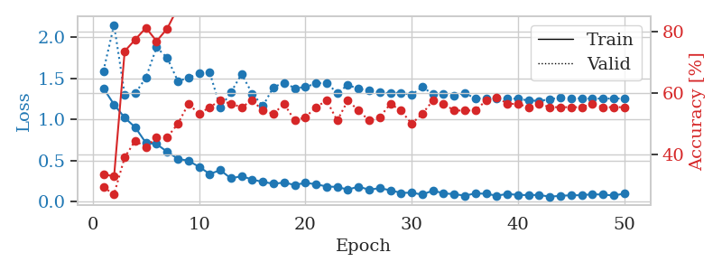
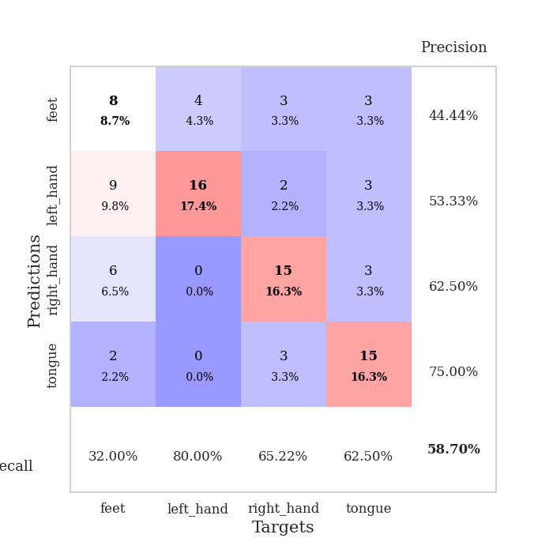
train_loss | valid_loss | train_accuracy | valid_accuracy | dur | train_misclass | valid_misclass
1.3812214084 | 1.5918848618 | 0.33695652174 | 0.29347826087 | 0.080315351486 | 33.695652174 | 29.347826087
1.181954161 | 2.1539554233 | 0.32880434783 | 0.27173913043 | 0.079090356827 | 32.880434783 | 27.173913043
1.0214796118 | 1.303759352 | 0.73641304348 | 0.39130434783 | 0.078691244125 | 73.641304348 | 39.130434783
0.90254466948 | 1.3185561118 | 0.77445652174 | 0.44565217391 | 0.080836057663 | 77.445652174 | 44.565217391
0.71366356508 | 1.5106677543 | 0.8125 | 0.42391304348 | 0.082169294357 | 81.25 | 42.391304348
0.69980534652 | 1.8788975011 | 0.76902173913 | 0.45652173913 | 0.081743240356 | 76.902173913 | 45.652173913
0.60538522057 | 1.7528677401 | 0.8097826087 | 0.45652173913 | 0.081249713898 | 80.97826087 | 45.652173913
0.52044854216 | 1.4677974504 | 0.8777173913 | 0.5 | 0.080807209015 | 87.77173913 | 50
0.49589004659 | 1.5078376013 | 0.8722826087 | 0.5652173913 | 0.08111000061 | 87.22826087 | 56.52173913
0.42195106265 | 1.5603949713 | 0.90760869565 | 0.53260869565 | 0.080858945847 | 90.760869565 | 53.260869565
0.3356431836 | 1.5733676268 | 0.89945652174 | 0.55434782609 | 0.0796854496 | 89.945652174 | 55.434782609
0.38066028901 | 1.1437873814 | 0.96739130435 | 0.57608695652 | 0.079387903214 | 96.739130435 | 57.608695652
0.28091721949 | 1.3314095943 | 0.97554347826 | 0.5652173913 | 0.079271793365 | 97.554347826 | 56.52173913
0.30838207253 | 1.5543614833 | 0.98369565217 | 0.55434782609 | 0.079217195511 | 98.369565217 | 55.434782609
0.2669981501 | 1.3160128438 | 0.98097826087 | 0.57608695652 | 0.079138278961 | 98.097826087 | 57.608695652
0.23784731782 | 1.1635415036 | 0.98641304348 | 0.54347826087 | 0.079165220261 | 98.641304348 | 54.347826087
0.2160159215 | 1.3935854279 | 0.91304347826 | 0.53260869565 | 0.078914642334 | 91.304347826 | 53.260869565
0.22977025726 | 1.4480326279 | 0.91847826087 | 0.5652173913 | 0.079183578491 | 91.847826087 | 56.52173913
0.20138661077 | 1.3821333595 | 0.96739130435 | 0.51086956522 | 0.079082727432 | 96.739130435 | 51.086956522
0.22603353145 | 1.3946076943 | 0.97826086957 | 0.52173913043 | 0.078912734985 | 97.826086957 | 52.173913043
0.21017364688 | 1.4394574321 | 0.99184782609 | 0.55434782609 | 0.079204082489 | 99.184782609 | 55.434782609
0.18136092292 | 1.4481392114 | 0.99184782609 | 0.57608695652 | 0.079195976257 | 99.184782609 | 57.608695652
0.17742003355 | 1.3215558451 | 0.9972826087 | 0.51086956522 | 0.079115390778 | 99.72826087 | 51.086956522
0.14384277359 | 1.4208937417 | 0.99456521739 | 0.57608695652 | 0.079021215439 | 99.456521739 | 57.608695652
0.18105154355 | 1.3735321786 | 0.99184782609 | 0.54347826087 | 0.07923579216 | 99.184782609 | 54.347826087
0.14253861352 | 1.3498144176 | 1 | 0.51086956522 | 0.079211473465 | 100 | 51.086956522
0.16250797669 | 1.3299517735 | 0.9972826087 | 0.52173913043 | 0.079210996628 | 99.72826087 | 52.173913043
0.13556012754 | 1.3193662918 | 1 | 0.5652173913 | 0.079347848892 | 100 | 56.52173913
0.10418367515 | 1.3273206638 | 0.9972826087 | 0.54347826087 | 0.079303026199 | 99.72826087 | 54.347826087
0.10666570869 | 1.2990745591 | 1 | 0.5 | 0.079280138016 | 100 | 50
0.083431376468 | 1.3978457244 | 1 | 0.53260869565 | 0.079591274261 | 100 | 53.260869565
0.1327713502 | 1.3073768097 | 0.9972826087 | 0.57608695652 | 0.079550743103 | 99.72826087 | 57.608695652
0.098670020295 | 1.3110996744 | 0.9972826087 | 0.5652173913 | 0.079497814178 | 99.72826087 | 56.52173913
0.088744178738 | 1.2930893613 | 1 | 0.54347826087 | 0.079901695251 | 100 | 54.347826087
0.070958558713 | 1.3210616708 | 1 | 0.54347826087 | 0.078955173492 | 100 | 54.347826087
0.097631086393 | 1.2566554754 | 0.9972826087 | 0.54347826087 | 0.079176902771 | 99.72826087 | 54.347826087
0.093789211758 | 1.2596668368 | 1 | 0.57608695652 | 0.07967042923 | 100 | 57.608695652
0.069624420458 | 1.2566438421 | 1 | 0.58695652174 | 0.079700708389 | 100 | 58.695652174
0.091726121776 | 1.2582942221 | 1 | 0.5652173913 | 0.079862117767 | 100 | 56.52173913
0.079343488035 | 1.2516373551 | 1 | 0.5652173913 | 0.079252004623 | 100 | 56.52173913
0.077172791504 | 1.2309074091 | 1 | 0.55434782609 | 0.079990625381 | 100 | 55.434782609
0.079057606423 | 1.2270980581 | 1 | 0.5652173913 | 0.079837560654 | 100 | 56.52173913
0.057693191197 | 1.2448418011 | 1 | 0.55434782609 | 0.079993486404 | 100 | 55.434782609
0.068782329134 | 1.2677777565 | 1 | 0.55434782609 | 0.079768419266 | 100 | 55.434782609
0.074752198087 | 1.2578141041 | 1 | 0.55434782609 | 0.079742431641 | 100 | 55.434782609
0.075921793347 | 1.2580493404 | 1 | 0.55434782609 | 0.079805850983 | 100 | 55.434782609
0.087476363972 | 1.2550586177 | 1 | 0.5652173913 | 0.080439567566 | 100 | 56.52173913
0.083478479849 | 1.2548952284 | 1 | 0.55434782609 | 0.079981803894 | 100 | 55.434782609
0.071937126067 | 1.2550065388 | 1 | 0.55434782609 | 0.079923629761 | 100 | 55.434782609
0.094995180914 | 1.2556283163 | 1 | 0.55434782609 | 0.079815864563 | 100 | 55.434782609

Best Val accuracy is 0.5869565217391305 and Best test accuracy is 0.6293103448275862

Sheet7
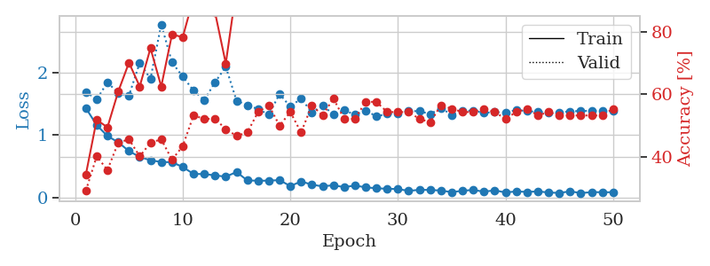
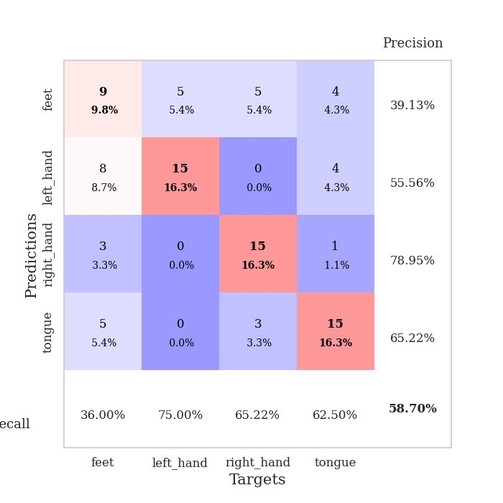
train_loss | valid_loss | train_accuracy | valid_accuracy | dur | train_misclass | valid_misclass
1.4316334517 | 1.6919579454 | 0.34510869565 | 0.29347826087 | 0.08118891716 | 34.510869565 | 29.347826087
1.160656092 | 1.5692946393 | 0.51902173913 | 0.40217391304 | 0.082009315491 | 51.902173913 | 40.217391304
0.98534843973 | 1.8485505633 | 0.49456521739 | 0.35869565217 | 0.079902172089 | 49.456521739 | 35.869565217
0.88592127095 | 1.6687333532 | 0.60869565217 | 0.44565217391 | 0.079580307007 | 60.869565217 | 44.565217391
0.74442592782 | 1.6339487408 | 0.70108695652 | 0.45652173913 | 0.080058097839 | 70.108695652 | 45.652173913
0.65070517685 | 2.1580771363 | 0.625 | 0.40217391304 | 0.079967260361 | 62.5 | 40.217391304
0.59786534957 | 1.9013789218 | 0.7472826087 | 0.44565217391 | 0.080720186234 | 74.72826087 | 44.565217391
0.56965486705 | 2.773555823 | 0.625 | 0.45652173913 | 0.079715490341 | 62.5 | 45.652173913
0.56643565971 | 2.1648207074 | 0.79076086957 | 0.39130434783 | 0.080204248428 | 79.076086957 | 39.130434783
0.48979462618 | 1.9373573583 | 0.78260869565 | 0.4347826087 | 0.079703807831 | 78.260869565 | 43.47826087
0.3782760935 | 1.7137921219 | 0.90760869565 | 0.53260869565 | 0.079699993134 | 90.760869565 | 53.260869565
0.37671142233 | 1.5618632021 | 0.91304347826 | 0.52173913043 | 0.079270124435 | 91.304347826 | 52.173913043
0.35515634683 | 1.8467856697 | 0.86141304348 | 0.52173913043 | 0.079647302628 | 86.141304348 | 52.173913043
0.33448506535 | 2.0939041169 | 0.69836956522 | 0.48913043478 | 0.079565525055 | 69.836956522 | 48.913043478
0.40920483159 | 1.5510203424 | 0.9402173913 | 0.46739130435 | 0.079420804977 | 94.02173913 | 46.739130435
0.27485078444 | 1.4788716928 | 0.96195652174 | 0.47826086957 | 0.079931735992 | 96.195652174 | 47.826086957
0.26950743471 | 1.4176027878 | 0.98097826087 | 0.54347826087 | 0.080006599426 | 98.097826087 | 54.347826087
0.27118820341 | 1.3283886935 | 0.98913043478 | 0.5652173913 | 0.07967209816 | 98.913043478 | 56.52173913
0.27954177429 | 1.6603709019 | 0.96739130435 | 0.5 | 0.079359292984 | 96.739130435 | 50
0.18324712939 | 1.4529757759 | 0.98913043478 | 0.54347826087 | 0.079461336136 | 98.913043478 | 54.347826087
0.25961902932 | 1.5903340837 | 0.97010869565 | 0.47826086957 | 0.07962012291 | 97.010869565 | 47.826086957
0.20579944065 | 1.3607875627 | 0.99184782609 | 0.5652173913 | 0.079349994659 | 99.184782609 | 56.52173913
0.17987836071 | 1.4740864712 | 0.99456521739 | 0.53260869565 | 0.079334974289 | 99.456521739 | 53.260869565
0.1975260419 | 1.3336196827 | 0.98913043478 | 0.58695652174 | 0.079295635223 | 98.913043478 | 58.695652174
0.16701662573 | 1.4023738063 | 0.99456521739 | 0.52173913043 | 0.079566240311 | 99.456521739 | 52.173913043
0.19227503273 | 1.3257422318 | 0.99456521739 | 0.52173913043 | 0.079514026642 | 99.456521739 | 52.173913043
0.16428194357 | 1.3942094134 | 0.99456521739 | 0.57608695652 | 0.079351663589 | 99.456521739 | 57.608695652
0.14872793627 | 1.3008601355 | 0.9972826087 | 0.57608695652 | 0.080208301544 | 99.72826087 | 57.608695652
0.14064880023 | 1.3403141628 | 0.9972826087 | 0.54347826087 | 0.079751491547 | 99.72826087 | 54.347826087
0.13629985649 | 1.3439682903 | 0.9972826087 | 0.54347826087 | 0.079465389252 | 99.72826087 | 54.347826087
0.10675792574 | 1.384366774 | 0.9972826087 | 0.54347826087 | 0.0788397789 | 99.72826087 | 54.347826087
0.1242500252 | 1.3841259246 | 0.9972826087 | 0.52173913043 | 0.079053640366 | 99.72826087 | 52.173913043
0.12186785488 | 1.3369767899 | 1 | 0.51086956522 | 0.079144954681 | 100 | 51.086956522
0.11229000532 | 1.4344551123 | 0.99456521739 | 0.5652173913 | 0.079353570938 | 99.456521739 | 56.52173913
0.086830079151 | 1.3249119261 | 1 | 0.55434782609 | 0.079752206802 | 100 | 55.434782609
0.1089585238 | 1.3881531358 | 1 | 0.54347826087 | 0.079791069031 | 100 | 54.347826087
0.12220103682 | 1.3927646694 | 1 | 0.54347826087 | 0.079444885254 | 100 | 54.347826087
0.093690135719 | 1.3548192693 | 1 | 0.55434782609 | 0.079679965973 | 100 | 55.434782609
0.11635652403 | 1.3723629687 | 1 | 0.54347826087 | 0.080091953278 | 100 | 54.347826087
0.080746326879 | 1.3551562273 | 1 | 0.52173913043 | 0.079002141953 | 100 | 52.173913043
0.099159217683 | 1.40522253 | 1 | 0.54347826087 | 0.079174280167 | 100 | 54.347826087
0.089462267235 | 1.3826218895 | 1 | 0.55434782609 | 0.079475641251 | 100 | 55.434782609
0.099012853983 | 1.3729287516 | 1 | 0.53260869565 | 0.079727172852 | 100 | 53.260869565
0.081300325408 | 1.3599476607 | 1 | 0.54347826087 | 0.079763412476 | 100 | 54.347826087
0.073855563735 | 1.3675106842 | 1 | 0.53260869565 | 0.080290317535 | 100 | 53.260869565
0.099732137002 | 1.3802829074 | 1 | 0.53260869565 | 0.080174207687 | 100 | 53.260869565
0.071983645792 | 1.3874512885 | 1 | 0.53260869565 | 0.079951047897 | 100 | 53.260869565
0.086699212253 | 1.387639761 | 1 | 0.53260869565 | 0.079917669296 | 100 | 53.260869565
0.085878117901 | 1.3867283593 | 1 | 0.53260869565 | 0.080191373825 | 100 | 53.260869565
0.084623787005 | 1.3866445215 | 1 | 0.55434782609 | 0.080099344254 | 100 | 55.434782609

Best Val accuracy is 0.5869565217391305 and Best test accuracy is 0.6120689655172413

Sheet8
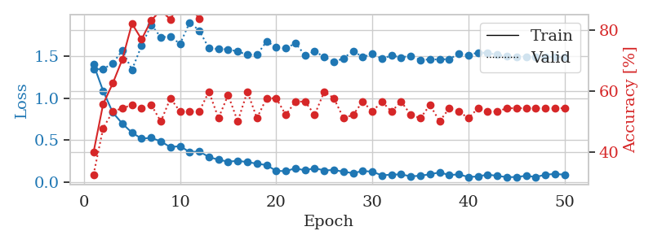
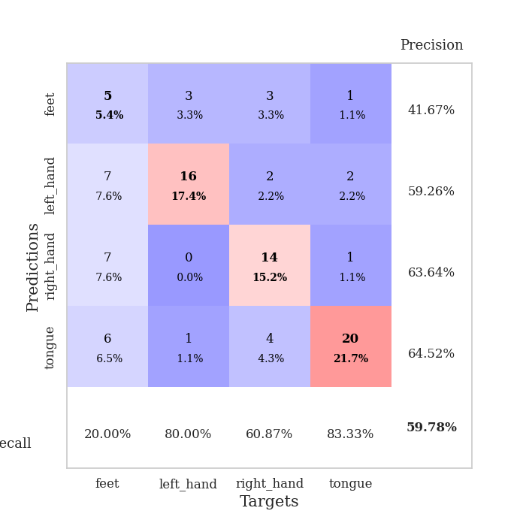
train_loss | valid_loss | train_accuracy | valid_accuracy | dur | train_misclass | valid_misclass
1.3974600408 | 1.344635865 | 0.39945652174 | 0.32608695652 | 0.079504966736 | 39.945652174 | 32.608695652
1.0847404547 | 1.3422754614 | 0.55706521739 | 0.47826086957 | 0.079460859299 | 55.706521739 | 47.826086957
0.82857321397 | 1.4146761816 | 0.625 | 0.53260869565 | 0.081432819366 | 62.5 | 53.260869565
0.69737627066 | 1.5631660016 | 0.70380434783 | 0.54347826087 | 0.079517126083 | 70.380434783 | 54.347826087
0.59008027937 | 1.335931581 | 0.82065217391 | 0.55434782609 | 0.079525947571 | 82.065217391 | 55.434782609
0.51950786813 | 1.6233644382 | 0.76902173913 | 0.54347826087 | 0.079317092896 | 76.902173913 | 54.347826087
0.52921578547 | 1.8685605059 | 0.83152173913 | 0.55434782609 | 0.079593896866 | 83.152173913 | 55.434782609
0.4862933742 | 1.7217190369 | 0.86413043478 | 0.5 | 0.079827547073 | 86.413043478 | 50
0.41841499313 | 1.729514477 | 0.83423913043 | 0.57608695652 | 0.079667329788 | 83.423913043 | 57.608695652
0.43167466832 | 1.6424257211 | 0.89402173913 | 0.53260869565 | 0.079846858978 | 89.402173913 | 53.260869565
0.35912008 | 1.8975030521 | 0.8777173913 | 0.53260869565 | 0.079604148865 | 87.77173913 | 53.260869565
0.36849592432 | 1.8009998695 | 0.83695652174 | 0.53260869565 | 0.079705953598 | 83.695652174 | 53.260869565
0.3012828652 | 1.5916253795 | 0.95380434783 | 0.59782608696 | 0.079517364502 | 95.380434783 | 59.782608696
0.26932711187 | 1.5814549171 | 0.98369565217 | 0.51086956522 | 0.079772233963 | 98.369565217 | 51.086956522
0.24690294185 | 1.578264125 | 0.97282608696 | 0.58695652174 | 0.079458713531 | 97.282608696 | 58.695652174
0.25597173721 | 1.5516543207 | 0.98097826087 | 0.5 | 0.079657554626 | 98.097826087 | 50
0.24218294608 | 1.5143490252 | 0.98369565217 | 0.59782608696 | 0.079699516296 | 98.369565217 | 59.782608696
0.22235701071 | 1.5132519992 | 0.98641304348 | 0.51086956522 | 0.079424381256 | 98.641304348 | 51.086956522
0.20619480765 | 1.6713523554 | 0.98097826087 | 0.57608695652 | 0.07959651947 | 98.097826087 | 57.608695652
0.13697506738 | 1.6058014813 | 0.96739130435 | 0.57608695652 | 0.079703807831 | 96.739130435 | 57.608695652
0.13444349915 | 1.5891869457 | 0.99184782609 | 0.52173913043 | 0.079494714737 | 99.184782609 | 52.173913043
0.16789606554 | 1.6506828666 | 1 | 0.5652173913 | 0.079501390457 | 100 | 56.52173913
0.1431686104 | 1.5087383104 | 0.9972826087 | 0.5652173913 | 0.079576969147 | 99.72826087 | 56.52173913
0.16954548301 | 1.5525768244 | 0.99456521739 | 0.52173913043 | 0.079441070557 | 99.456521739 | 52.173913043
0.14211032685 | 1.4889609477 | 1 | 0.59782608696 | 0.079499006271 | 100 | 59.782608696
0.14863716527 | 1.4268156148 | 0.98913043478 | 0.57608695652 | 0.079622745514 | 98.913043478 | 57.608695652
0.12690966382 | 1.4714891755 | 1 | 0.51086956522 | 0.079984664917 | 100 | 51.086956522
0.11065780209 | 1.5585210194 | 1 | 0.52173913043 | 0.07967376709 | 100 | 52.173913043
0.13564395605 | 1.4870630866 | 1 | 0.5652173913 | 0.079825639725 | 100 | 56.52173913
0.12812817186 | 1.521762892 | 1 | 0.53260869565 | 0.079457998276 | 100 | 53.260869565
0.08395699606 | 1.4666580998 | 1 | 0.5652173913 | 0.07953119278 | 100 | 56.52173913
0.09331612289 | 1.5045031128 | 1 | 0.53260869565 | 0.079624891281 | 100 | 53.260869565
0.09532174217 | 1.4827258341 | 1 | 0.5652173913 | 0.079531431198 | 100 | 56.52173913
0.072390439394 | 1.5007313296 | 1 | 0.52173913043 | 0.079492330551 | 100 | 52.173913043
0.079912629707 | 1.4509234869 | 1 | 0.51086956522 | 0.080949783325 | 100 | 51.086956522
0.096531128511 | 1.4598766643 | 1 | 0.55434782609 | 0.078888893127 | 100 | 55.434782609
0.11934296771 | 1.4570242205 | 1 | 0.5 | 0.079550743103 | 100 | 50
0.088260344513 | 1.4634694742 | 1 | 0.54347826087 | 0.078804969788 | 100 | 54.347826087
0.09523308844 | 1.5223700819 | 1 | 0.53260869565 | 0.079543590546 | 100 | 53.260869565
0.064722822898 | 1.5106218146 | 1 | 0.51086956522 | 0.079553365707 | 100 | 51.086956522
0.071354297678 | 1.5396832565 | 1 | 0.54347826087 | 0.079726457596 | 100 | 54.347826087
0.093487266978 | 1.5359340906 | 1 | 0.53260869565 | 0.078861951828 | 100 | 53.260869565
0.077446814626 | 1.5129656869 | 1 | 0.53260869565 | 0.078805685043 | 100 | 53.260869565
0.063459322545 | 1.4979993805 | 1 | 0.54347826087 | 0.078574419022 | 100 | 54.347826087
0.06396571231 | 1.4918714477 | 1 | 0.54347826087 | 0.078445196152 | 100 | 54.347826087
0.07961289204 | 1.4903410699 | 1 | 0.54347826087 | 0.07850933075 | 100 | 54.347826087
0.064694265886 | 1.4892852747 | 1 | 0.54347826087 | 0.078842878342 | 100 | 54.347826087
0.091585802076 | 1.4899005346 | 1 | 0.54347826087 | 0.080074071884 | 100 | 54.347826087
0.10143499603 | 1.4897316617 | 1 | 0.54347826087 | 0.079929351807 | 100 | 54.347826087
0.091666954853 | 1.4901494462 | 1 | 0.54347826087 | 0.079533100128 | 100 | 54.347826087

Best Val accuracy is 0.5978260869565217 and Best test accuracy is 0.5689655172413793

Sheet9
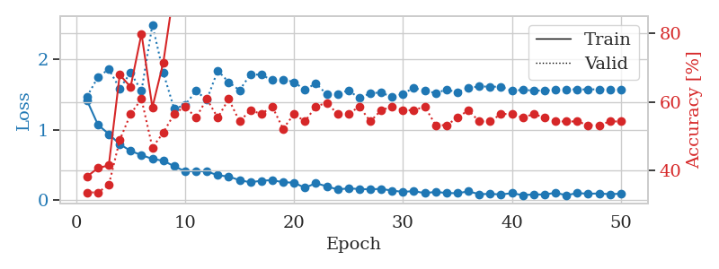
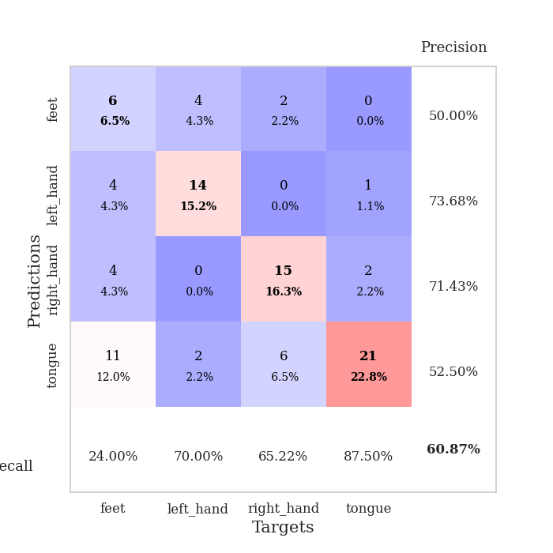
train_loss | valid_loss | train_accuracy | valid_accuracy | dur | train_misclass | valid_misclass
1.4139193867 | 1.4691334548 | 0.38315217391 | 0.33695652174 | 0.080945253372 | 38.315217391 | 33.695652174
1.071126474 | 1.7450349435 | 0.40760869565 | 0.33695652174 | 0.079993963242 | 40.760869565 | 33.695652174
0.93738153706 | 1.857410291 | 0.41576086957 | 0.35869565217 | 0.080088853836 | 41.576086957 | 35.869565217
0.79560901419 | 1.5848316317 | 0.67934782609 | 0.48913043478 | 0.080156326294 | 67.934782609 | 48.913043478
0.69819755917 | 1.8083774396 | 0.64402173913 | 0.5652173913 | 0.080106496811 | 64.402173913 | 56.52173913
0.64016295516 | 1.549403946 | 0.79891304348 | 0.60869565217 | 0.079782962799 | 79.891304348 | 60.869565217
0.58545996573 | 2.4886999286 | 0.58423913043 | 0.46739130435 | 0.0806453228 | 58.423913043 | 46.739130435
0.55987355178 | 1.8088155726 | 0.71467391304 | 0.51086956522 | 0.079787254333 | 71.467391304 | 51.086956522
0.48162750511 | 1.2952998773 | 0.92934782609 | 0.5652173913 | 0.079887866974 | 92.934782609 | 56.52173913
0.40972200295 | 1.3506121286 | 0.9402173913 | 0.58695652174 | 0.079690694809 | 94.02173913 | 58.695652174
0.41411128705 | 1.5485951952 | 0.91304347826 | 0.55434782609 | 0.078999757767 | 91.304347826 | 55.434782609
0.40832650661 | 1.4245606609 | 0.90489130435 | 0.60869565217 | 0.078901052475 | 90.489130435 | 60.869565217
0.3537362179 | 1.8392582238 | 0.8722826087 | 0.55434782609 | 0.07887172699 | 87.22826087 | 55.434782609
0.33557394698 | 1.6733744533 | 0.90760869565 | 0.60869565217 | 0.079070806503 | 90.760869565 | 60.869565217
0.28396393812 | 1.5586959616 | 0.96467391304 | 0.54347826087 | 0.079292535782 | 96.467391304 | 54.347826087
0.25359489088 | 1.7844346969 | 0.9402173913 | 0.57608695652 | 0.080031394958 | 94.02173913 | 57.608695652
0.27683660015 | 1.7781841846 | 0.90489130435 | 0.5652173913 | 0.079759120941 | 90.489130435 | 56.52173913
0.28388162605 | 1.7007027074 | 0.94293478261 | 0.58695652174 | 0.079575777054 | 94.293478261 | 58.695652174
0.25489298416 | 1.7116719925 | 0.93206521739 | 0.52173913043 | 0.079700708389 | 93.206521739 | 52.173913043
0.24889276598 | 1.6752141118 | 0.98369565217 | 0.5652173913 | 0.079962730408 | 98.369565217 | 56.52173913
0.17591496573 | 1.5642254055 | 0.97282608696 | 0.54347826087 | 0.079527616501 | 97.282608696 | 54.347826087
0.24166101849 | 1.6577031846 | 0.98369565217 | 0.58695652174 | 0.079629659653 | 98.369565217 | 58.695652174
0.19718880798 | 1.5008682479 | 1 | 0.59782608696 | 0.079797029495 | 100 | 59.782608696
0.15212810282 | 1.5095339715 | 1 | 0.5652173913 | 0.079849004745 | 100 | 56.52173913
0.16793095661 | 1.5559860766 | 0.99456521739 | 0.5652173913 | 0.07982468605 | 99.456521739 | 56.52173913
0.15845246483 | 1.447305139 | 0.99456521739 | 0.58695652174 | 0.079724311829 | 99.456521739 | 58.695652174
0.15449543913 | 1.5161132333 | 0.99184782609 | 0.54347826087 | 0.079672336578 | 99.184782609 | 54.347826087
0.16122825841 | 1.5278563525 | 0.9972826087 | 0.57608695652 | 0.079674243927 | 99.72826087 | 57.608695652
0.13525441078 | 1.4598735765 | 0.9972826087 | 0.58695652174 | 0.079691410065 | 99.72826087 | 58.695652174
0.11939363692 | 1.5092835206 | 1 | 0.57608695652 | 0.079678058624 | 100 | 57.608695652
0.12849724349 | 1.5935390462 | 0.9972826087 | 0.57608695652 | 0.079927682877 | 99.72826087 | 57.608695652
0.10089261417 | 1.5488762894 | 0.9972826087 | 0.58695652174 | 0.079855680466 | 99.72826087 | 58.695652174
0.11812674068 | 1.5209529218 | 1 | 0.53260869565 | 0.079679489136 | 100 | 53.260869565
0.10219230017 | 1.5665778725 | 1 | 0.53260869565 | 0.079662322998 | 100 | 53.260869565
0.099086386273 | 1.5311039492 | 1 | 0.55434782609 | 0.079892396927 | 100 | 55.434782609
0.1254243509 | 1.5921911027 | 1 | 0.57608695652 | 0.079778671265 | 100 | 57.608695652
0.086018198291 | 1.6131464528 | 1 | 0.54347826087 | 0.079745054245 | 100 | 54.347826087
0.089502842449 | 1.6097682105 | 0.9972826087 | 0.54347826087 | 0.079846143723 | 99.72826087 | 54.347826087
0.082497996805 | 1.6082285202 | 1 | 0.5652173913 | 0.079696416855 | 100 | 56.52173913
0.099112175486 | 1.5521519145 | 1 | 0.5652173913 | 0.079833507538 | 100 | 56.52173913
0.072428546198 | 1.5645243538 | 1 | 0.55434782609 | 0.079765796661 | 100 | 55.434782609
0.082137930096 | 1.5547401283 | 1 | 0.5652173913 | 0.080159902573 | 100 | 56.52173913
0.080807851951 | 1.5545113359 | 1 | 0.55434782609 | 0.079764842987 | 100 | 55.434782609
0.10548177357 | 1.563397712 | 1 | 0.54347826087 | 0.079964876175 | 100 | 54.347826087
0.070437586178 | 1.573280341 | 1 | 0.54347826087 | 0.079769611359 | 100 | 54.347826087
0.10140655732 | 1.5703215171 | 1 | 0.54347826087 | 0.079712629318 | 100 | 54.347826087
0.091612960495 | 1.5713688057 | 1 | 0.53260869565 | 0.079815864563 | 100 | 53.260869565
0.095685206516 | 1.5719851048 | 1 | 0.53260869565 | 0.079641103745 | 100 | 53.260869565
0.085650523072 | 1.5713463322 | 1 | 0.54347826087 | 0.079814434052 | 100 | 54.347826087
0.092898722333 | 1.5709381596 | 1 | 0.54347826087 | 0.079823732376 | 100 | 54.347826087

Best Val accuracy is 0.6086956521739131 and Best test accuracy is 0.6206896551724138

Sheet10
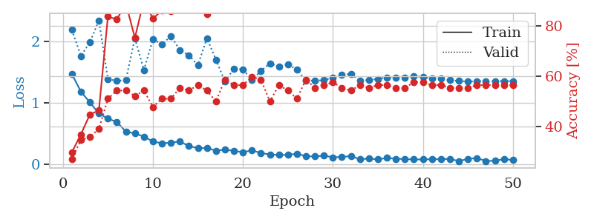
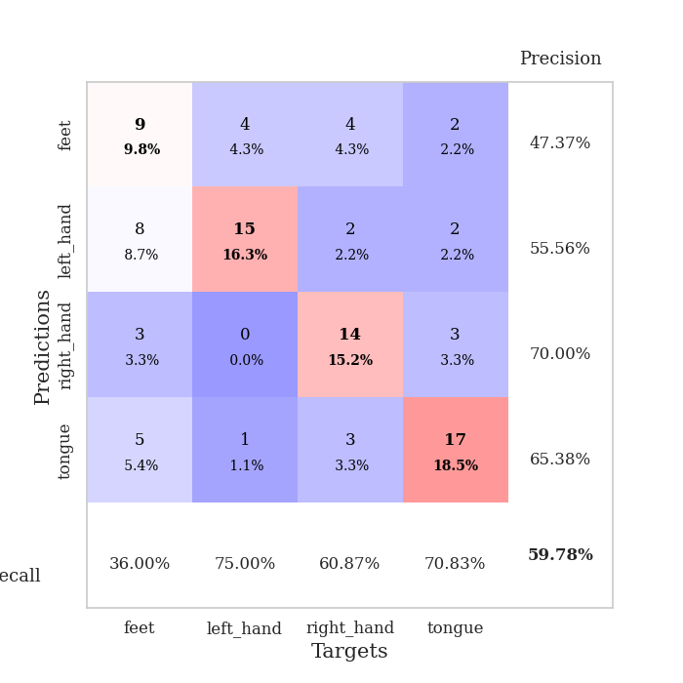
train_loss | valid_loss | train_accuracy | valid_accuracy | dur | train_misclass | valid_misclass
1.465846466 | 2.1814045284 | 0.29891304348 | 0.27173913043 | 0.091167211533 | 29.891304348 | 27.173913043
1.1807873223 | 1.7604361617 | 0.36956521739 | 0.34782608696 | 0.083027124405 | 36.956521739 | 34.782608696
1.0068188698 | 1.9805527563 | 0.44836956522 | 0.35869565217 | 0.081391811371 | 44.836956522 | 35.869565217
0.82489230581 | 2.3370542526 | 0.46467391304 | 0.39130434783 | 0.077587366104 | 46.467391304 | 39.130434783
0.74298676201 | 1.3857890938 | 0.83695652174 | 0.51086956522 | 0.078471183777 | 83.695652174 | 51.086956522
0.68876927054 | 1.3531498132 | 0.82608695652 | 0.54347826087 | 0.079491376877 | 82.608695652 | 54.347826087
0.53059938032 | 1.3701486847 | 0.88858695652 | 0.54347826087 | 0.078587532043 | 88.858695652 | 54.347826087
0.50275026845 | 2.04848304 | 0.7527173913 | 0.52173913043 | 0.078004837036 | 75.27173913 | 52.173913043
0.45128868844 | 1.5313014207 | 0.90217391304 | 0.54347826087 | 0.078485012054 | 90.217391304 | 54.347826087
0.37128214473 | 2.0313199137 | 0.82880434783 | 0.47826086957 | 0.07812166214 | 82.880434783 | 47.826086957
0.34311766469 | 1.9463375599 | 0.86141304348 | 0.51086956522 | 0.078415870667 | 86.141304348 | 51.086956522
0.35249975291 | 2.0827737114 | 0.85869565217 | 0.51086956522 | 0.078177690506 | 85.869565217 | 51.086956522
0.37134458319 | 1.85475493 | 0.91576086957 | 0.55434782609 | 0.078492879868 | 91.576086957 | 55.434782609
0.29822040155 | 1.7719568221 | 0.94565217391 | 0.54347826087 | 0.078273534775 | 94.565217391 | 54.347826087
0.26234997031 | 1.6089398239 | 0.9402173913 | 0.5652173913 | 0.078360557556 | 94.02173913 | 56.52173913
0.2665493647 | 2.0486570078 | 0.84782608696 | 0.54347826087 | 0.07838177681 | 84.782608696 | 54.347826087
0.22363364211 | 1.700898738 | 0.91847826087 | 0.5 | 0.078262329102 | 91.847826087 | 50
0.2379542424 | 1.3453867617 | 0.96195652174 | 0.58695652174 | 0.07825088501 | 96.195652174 | 58.695652174
0.22263324876 | 1.5510579529 | 0.98097826087 | 0.5652173913 | 0.090831756592 | 98.097826087 | 56.52173913
0.19694544472 | 1.5415453574 | 0.98097826087 | 0.5652173913 | 0.079124927521 | 98.097826087 | 56.52173913
0.22888470214 | 1.3723617144 | 0.99184782609 | 0.59782608696 | 0.079161882401 | 99.184782609 | 59.782608696
0.18470727669 | 1.5181947661 | 0.98641304348 | 0.58695652174 | 0.079243421555 | 98.641304348 | 58.695652174
0.16129711951 | 1.6392880575 | 1 | 0.5 | 0.079098939896 | 100 | 50
0.15283715061 | 1.5876340529 | 1 | 0.5652173913 | 0.07922077179 | 100 | 56.52173913
0.15453230914 | 1.6254399808 | 0.99456521739 | 0.54347826087 | 0.079271316528 | 99.456521739 | 54.347826087
0.17369238595 | 1.536488419 | 1 | 0.51086956522 | 0.079478979111 | 100 | 51.086956522
0.13384355022 | 1.3627465588 | 1 | 0.58695652174 | 0.07941031456 | 100 | 58.695652174
0.12834625238 | 1.3596675137 | 1 | 0.55434782609 | 0.079456567764 | 100 | 55.434782609
0.1416838016 | 1.3648885268 | 1 | 0.5652173913 | 0.079673051834 | 100 | 56.52173913
0.1159834912 | 1.4113850697 | 1 | 0.57608695652 | 0.079304218292 | 100 | 57.608695652
0.12074510429 | 1.4600984739 | 1 | 0.55434782609 | 0.079154729843 | 100 | 55.434782609
0.13576494846 | 1.4640157534 | 1 | 0.54347826087 | 0.079139947891 | 100 | 54.347826087
0.083038676409 | 1.3641221005 | 1 | 0.5652173913 | 0.079523563385 | 100 | 56.52173913
0.096311953891 | 1.3671341849 | 1 | 0.55434782609 | 0.079312801361 | 100 | 55.434782609
0.080265522489 | 1.3877586904 | 1 | 0.5652173913 | 0.079487800598 | 100 | 56.52173913
0.10566559329 | 1.412534224 | 1 | 0.5652173913 | 0.079533100128 | 100 | 56.52173913
0.091616254705 | 1.4092479556 | 1 | 0.55434782609 | 0.079158782959 | 100 | 55.434782609
0.086932728715 | 1.4065201205 | 1 | 0.55434782609 | 0.079226255417 | 100 | 55.434782609
0.080443167087 | 1.4354376171 | 1 | 0.57608695652 | 0.079187870026 | 100 | 57.608695652
0.080272471289 | 1.4161797632 | 1 | 0.57608695652 | 0.079339981079 | 100 | 57.608695652
0.08470989537 | 1.393953554 | 1 | 0.5652173913 | 0.07958483696 | 100 | 56.52173913
0.085390366128 | 1.3939207404 | 1 | 0.5652173913 | 0.079329490662 | 100 | 56.52173913
0.089337127364 | 1.3672017973 | 1 | 0.55434782609 | 0.079503059387 | 100 | 55.434782609
0.053288823844 | 1.3531509249 | 1 | 0.55434782609 | 0.079340219498 | 100 | 55.434782609
0.090291296172 | 1.3443438048 | 1 | 0.55434782609 | 0.079494476318 | 100 | 55.434782609
0.10336464036 | 1.350154234 | 1 | 0.5652173913 | 0.079432010651 | 100 | 56.52173913
0.055678361824 | 1.3504180286 | 1 | 0.5652173913 | 0.079557657242 | 100 | 56.52173913
0.059007458713 | 1.351339716 | 1 | 0.5652173913 | 0.079444646835 | 100 | 56.52173913
0.085177454976 | 1.3523009212 | 1 | 0.5652173913 | 0.079414606094 | 100 | 56.52173913
0.072431803114 | 1.3519818342 | 1 | 0.5652173913 | 0.07946562767 | 100 | 56.52173913

Best Val accuracy is 0.5978260869565217 and Best test accuracy is 0.5862068965517241

