Sheet
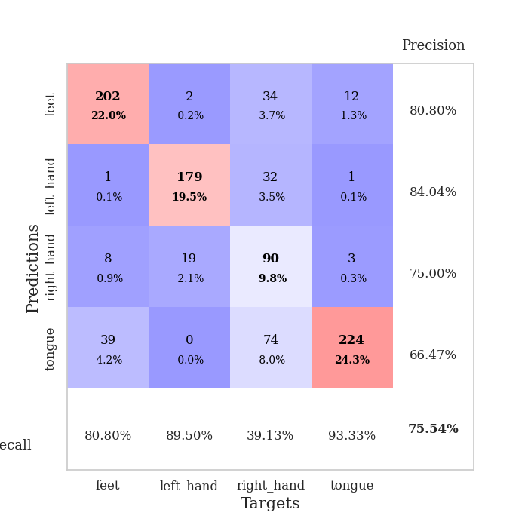
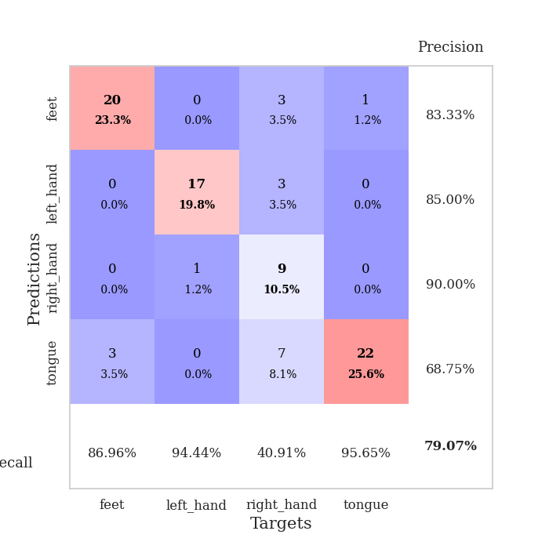
best_val_acc | best_val_los | best_test_acc
0.76086956522 | 0.96076120501 | 0.70689655172
0.76086956522 | 0.89431182457 | 0.68103448276
0.77173913043 | 0.6859201763 | 0.74137931034
0.75 | 0.99854103897 | 0.63793103448
0.75 | 1.0005183375 | 0.63793103448
0.75 | 0.72603105203 | 0.66379310345
0.77173913043 | 0.78268646676 | 0.71551724138
0.75 | 1.0027896788 | 0.64655172414
0.72826086957 | 0.96054564352 | 0.70689655172
0.76086956522 | 0.79316913563 | 0.68965517241

Mean,std Val accuracy is 0.7554347826086957 , 0.012809905456278034 and mean, std test accuracy is 0.6827586206896552 , 0.03561363996512566

Sheet1
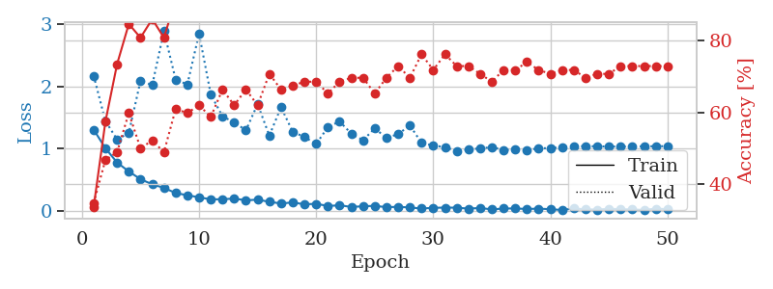
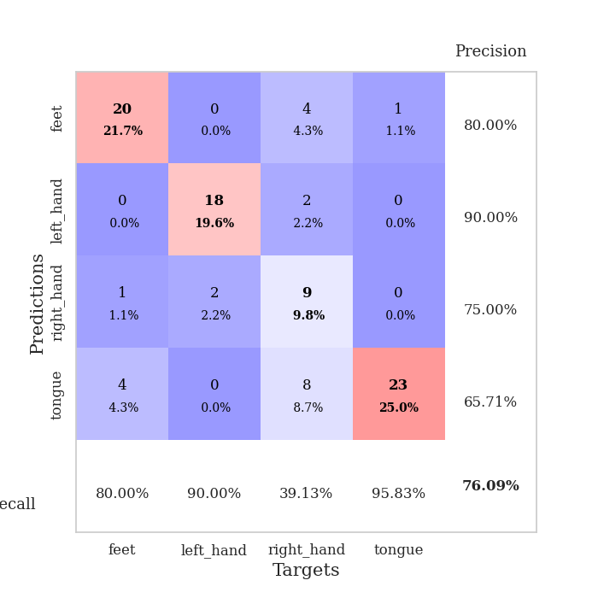
train_loss | valid_loss | train_accuracy | valid_accuracy | dur | train_misclass | valid_misclass
1.3067744711 | 2.170838667 | 0.33695652174 | 0.34782608696 | 0.084564447403 | 33.695652174 | 34.782608696
1.009266234 | 1.4438991184 | 0.57336956522 | 0.46739130435 | 0.082845449448 | 57.336956522 | 46.739130435
0.77989939633 | 1.1492982299 | 0.73369565217 | 0.48913043478 | 0.078853130341 | 73.369565217 | 48.913043478
0.63658328678 | 1.2501793063 | 0.84510869565 | 0.59782608696 | 0.078873157501 | 84.510869565 | 59.782608696
0.51279547163 | 2.0893491869 | 0.80706521739 | 0.5 | 0.079383134842 | 80.706521739 | 50
0.43067814345 | 2.0186904202 | 0.85869565217 | 0.52173913043 | 0.079308748245 | 85.869565217 | 52.173913043
0.37400441066 | 2.8834849648 | 0.80706521739 | 0.48913043478 | 0.079607725143 | 80.706521739 | 48.913043478
0.29139051878 | 2.1082684268 | 0.91304347826 | 0.60869565217 | 0.079528808594 | 91.304347826 | 60.869565217
0.25549695317 | 2.0294545993 | 0.91576086957 | 0.59782608696 | 0.080103635788 | 91.576086957 | 59.782608696
0.22287653775 | 2.8444262069 | 0.91032608696 | 0.61956521739 | 0.079746007919 | 91.032608696 | 61.956521739
0.18946343725 | 1.8695265728 | 0.95652173913 | 0.58695652174 | 0.079751253128 | 95.652173913 | 58.695652174
0.19181991668 | 1.519217175 | 0.98097826087 | 0.66304347826 | 0.079424142838 | 98.097826087 | 66.304347826
0.20207448514 | 1.4222593515 | 0.98641304348 | 0.61956521739 | 0.080072641373 | 98.641304348 | 61.956521739
0.17448668433 | 1.2956502438 | 0.95380434783 | 0.66304347826 | 0.079669475555 | 95.380434783 | 66.304347826
0.18490679805 | 1.7138276774 | 0.96195652174 | 0.61956521739 | 0.079765796661 | 96.195652174 | 61.956521739
0.15044312147 | 1.2110340025 | 0.9972826087 | 0.70652173913 | 0.079722166061 | 99.72826087 | 70.652173913
0.12346361043 | 1.6661603399 | 0.98369565217 | 0.66304347826 | 0.080063819885 | 98.369565217 | 66.304347826
0.14075852629 | 1.2713026664 | 0.99456521739 | 0.67391304348 | 0.079306602478 | 99.456521739 | 67.391304348
0.10960327587 | 1.1883500192 | 0.9972826087 | 0.6847826087 | 0.079360961914 | 99.72826087 | 68.47826087
0.11928745149 | 1.0760355359 | 0.9972826087 | 0.6847826087 | 0.079684257507 | 99.72826087 | 68.47826087
0.082820351479 | 1.3462427595 | 0.99456521739 | 0.65217391304 | 0.079618692398 | 99.456521739 | 65.217391304
0.095283590308 | 1.4379683163 | 1 | 0.6847826087 | 0.079655647278 | 100 | 68.47826087
0.067837273864 | 1.2422564703 | 0.99456521739 | 0.69565217391 | 0.080491304398 | 99.456521739 | 69.565217391
0.079129407668 | 1.1362343508 | 0.9972826087 | 0.69565217391 | 0.083753347397 | 99.72826087 | 69.565217391
0.085573961351 | 1.3252733842 | 1 | 0.65217391304 | 0.079376935959 | 100 | 65.217391304
0.064447949681 | 1.1750187874 | 1 | 0.69565217391 | 0.079373836517 | 100 | 69.565217391
0.069835041447 | 1.2337692665 | 1 | 0.72826086957 | 0.079674243927 | 100 | 72.826086957
0.05954024631 | 1.3741581181 | 1 | 0.69565217391 | 0.079944610596 | 100 | 69.565217391
0.042452578251 | 1.0936036058 | 1 | 0.76086956522 | 0.079667329788 | 100 | 76.086956522
0.054400068343 | 1.0515522257 | 1 | 0.71739130435 | 0.07979631424 | 100 | 71.739130435
0.057461467531 | 1.0264619952 | 1 | 0.76086956522 | 0.079188108444 | 100 | 76.086956522
0.056752123526 | 0.96076120501 | 1 | 0.72826086957 | 0.079610347748 | 100 | 72.826086957
0.041165569554 | 0.98696709198 | 1 | 0.72826086957 | 0.079191446304 | 100 | 72.826086957
0.051789209712 | 1.0073350461 | 1 | 0.70652173913 | 0.079550743103 | 100 | 70.652173913
0.028357947245 | 1.0245783329 | 1 | 0.6847826087 | 0.079489469528 | 100 | 68.47826087
0.042720645038 | 0.98089699642 | 1 | 0.71739130435 | 0.079814910889 | 100 | 71.739130435
0.04408467229 | 0.98398587496 | 1 | 0.71739130435 | 0.079532384872 | 100 | 71.739130435
0.03504173654 | 0.97515323369 | 1 | 0.73913043478 | 0.079723834991 | 100 | 73.913043478
0.0413071992 | 1.0084731838 | 1 | 0.71739130435 | 0.079919099808 | 100 | 71.739130435
0.031413634591 | 1.0087794998 | 1 | 0.70652173913 | 0.07949090004 | 100 | 70.652173913
0.019601633823 | 1.0258132945 | 1 | 0.71739130435 | 0.079802751541 | 100 | 71.739130435
0.042971196402 | 1.0376540526 | 1 | 0.71739130435 | 0.079447507858 | 100 | 71.739130435
0.03054532019 | 1.0424746793 | 1 | 0.69565217391 | 0.081318855286 | 100 | 69.565217391
0.02630326819 | 1.0382361412 | 1 | 0.70652173913 | 0.078496694565 | 100 | 70.652173913
0.038838383883 | 1.0361128424 | 1 | 0.70652173913 | 0.078528404236 | 100 | 70.652173913
0.031436142532 | 1.0342822334 | 1 | 0.72826086957 | 0.079093694687 | 100 | 72.826086957
0.028518124737 | 1.0370028174 | 1 | 0.72826086957 | 0.079639196396 | 100 | 72.826086957
0.019908376899 | 1.0388219978 | 1 | 0.72826086957 | 0.079485177994 | 100 | 72.826086957
0.041609595064 | 1.040637348 | 1 | 0.72826086957 | 0.079627037048 | 100 | 72.826086957
0.032318197029 | 1.0415522223 | 1 | 0.72826086957 | 0.07851266861 | 100 | 72.826086957

Best Val accuracy is 0.7608695652173914 and Best test accuracy is 0.7068965517241379

Sheet2
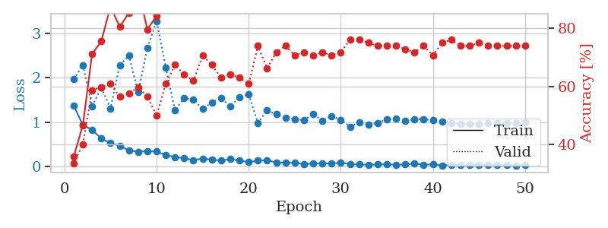
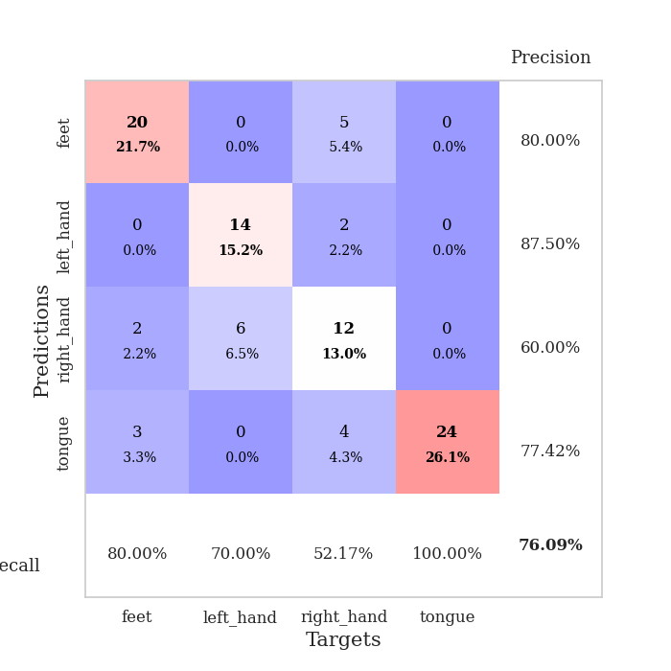
train_loss | valid_loss | train_accuracy | valid_accuracy | dur | train_misclass | valid_misclass
1.3754895926 | 1.969495877 | 0.35869565217 | 0.33695652174 | 0.080537080765 | 35.869565217 | 33.695652174
0.93392063224 | 2.2874331163 | 0.46739130435 | 0.40217391304 | 0.078988552094 | 46.739130435 | 40.217391304
0.82552853875 | 1.3624053572 | 0.71195652174 | 0.58695652174 | 0.079008102417 | 71.195652174 | 58.695652174
0.6283658406 | 1.7834990336 | 0.75543478261 | 0.59782608696 | 0.079045295715 | 75.543478261 | 59.782608696
0.52222207189 | 1.3106608183 | 0.875 | 0.60869565217 | 0.078950643539 | 87.5 | 60.869565217
0.46570633222 | 2.2853290205 | 0.80434782609 | 0.5652173913 | 0.079305171967 | 80.434782609 | 56.52173913
0.35799516025 | 2.5068703838 | 0.85326086957 | 0.57608695652 | 0.079441547394 | 85.326086957 | 57.608695652
0.32985399939 | 1.6763668475 | 0.9347826087 | 0.59782608696 | 0.079342842102 | 93.47826087 | 59.782608696
0.3406315177 | 2.6734530304 | 0.79619565217 | 0.5652173913 | 0.079210758209 | 79.619565217 | 56.52173913
0.33507740627 | 3.2891445471 | 0.84239130435 | 0.5 | 0.078984498978 | 84.239130435 | 50
0.25411907 | 2.2336333005 | 0.9402173913 | 0.60869565217 | 0.079258441925 | 94.02173913 | 60.869565217
0.20669643289 | 1.2619274803 | 0.98369565217 | 0.67391304348 | 0.07922077179 | 98.369565217 | 67.391304348
0.185843383 | 1.5498597466 | 0.99184782609 | 0.64130434783 | 0.079861402512 | 99.184782609 | 64.130434783
0.13931882268 | 1.5081152294 | 0.98913043478 | 0.61956521739 | 0.079240322113 | 98.913043478 | 61.956521739
0.17699894876 | 1.2953088128 | 0.99456521739 | 0.70652173913 | 0.07973742485 | 99.456521739 | 70.652173913
0.15017896834 | 1.4456927154 | 0.99456521739 | 0.67391304348 | 0.07982468605 | 99.456521739 | 67.391304348
0.13083773062 | 1.5423776119 | 0.98913043478 | 0.63043478261 | 0.079558610916 | 98.913043478 | 63.043478261
0.16157068393 | 1.3622074283 | 1 | 0.64130434783 | 0.079604387283 | 100 | 64.130434783
0.13235017633 | 1.5625330521 | 0.99184782609 | 0.63043478261 | 0.079732656479 | 99.184782609 | 63.043478261
0.09348232866 | 1.6279860631 | 0.9972826087 | 0.60869565217 | 0.079437732697 | 99.72826087 | 60.869565217
0.12602296779 | 0.98080833062 | 0.99456521739 | 0.73913043478 | 0.079710483551 | 99.456521739 | 73.913043478
0.14152762812 | 1.265969178 | 1 | 0.66304347826 | 0.079725503922 | 100 | 66.304347826
0.084456458607 | 1.1777269115 | 0.9972826087 | 0.71739130435 | 0.079613685608 | 99.72826087 | 71.739130435
0.079808146075 | 1.0930825239 | 1 | 0.73913043478 | 0.079633951187 | 100 | 73.913043478
0.07688879082 | 1.0706200289 | 0.99456521739 | 0.70652173913 | 0.07949757576 | 99.456521739 | 70.652173913
0.052610335021 | 1.039984532 | 1 | 0.71739130435 | 0.079550266266 | 100 | 71.739130435
0.059616972206 | 1.1849579889 | 1 | 0.70652173913 | 0.079873085022 | 100 | 70.652173913
0.067634887305 | 1.0281071456 | 1 | 0.71739130435 | 0.079730272293 | 100 | 71.739130435
0.060539800087 | 1.1367461293 | 1 | 0.70652173913 | 0.079746484756 | 100 | 70.652173913
0.084835489321 | 1.0516235258 | 1 | 0.71739130435 | 0.07942533493 | 100 | 71.739130435
0.048024844429 | 0.89431182457 | 1 | 0.76086956522 | 0.079095602036 | 100 | 76.086956522
0.041224967202 | 0.99289944898 | 1 | 0.76086956522 | 0.079356431961 | 100 | 76.086956522
0.03434732113 | 0.94986304511 | 1 | 0.75 | 0.079074621201 | 100 | 75
0.040945969616 | 0.97821843883 | 1 | 0.73913043478 | 0.079408884048 | 100 | 73.913043478
0.047358693292 | 1.0646818669 | 1 | 0.73913043478 | 0.079494953156 | 100 | 73.913043478
0.032793771516 | 1.0780833597 | 1 | 0.73913043478 | 0.079300165176 | 100 | 73.913043478
0.043035070518 | 1.0333572937 | 1 | 0.72826086957 | 0.079203128815 | 100 | 72.826086957
0.062215768044 | 1.0654429612 | 1 | 0.71739130435 | 0.080286502838 | 100 | 71.739130435
0.036409939781 | 1.0648749859 | 1 | 0.73913043478 | 0.079252719879 | 100 | 73.913043478
0.045766454565 | 1.0442227384 | 1 | 0.70652173913 | 0.079103708267 | 100 | 70.652173913
0.01854635517 | 1.0090395109 | 1 | 0.75 | 0.079608440399 | 100 | 75
0.035378310617 | 0.97493044708 | 1 | 0.76086956522 | 0.079496383667 | 100 | 76.086956522
0.027548015978 | 0.95377861417 | 1 | 0.73913043478 | 0.079583406448 | 100 | 73.913043478
0.024922375588 | 0.9574427812 | 1 | 0.73913043478 | 0.079613208771 | 100 | 73.913043478
0.032069349859 | 0.96783589798 | 1 | 0.75 | 0.079524755478 | 100 | 75
0.025331751261 | 0.97196206839 | 1 | 0.73913043478 | 0.079273462296 | 100 | 73.913043478
0.033116585423 | 0.97948758498 | 1 | 0.73913043478 | 0.079638242722 | 100 | 73.913043478
0.028683397438 | 0.98036527115 | 1 | 0.73913043478 | 0.079683303833 | 100 | 73.913043478
0.022537857395 | 0.98389934457 | 1 | 0.73913043478 | 0.079460382462 | 100 | 73.913043478
0.030628845986 | 0.98550836936 | 1 | 0.73913043478 | 0.079262971878 | 100 | 73.913043478

Best Val accuracy is 0.7608695652173914 and Best test accuracy is 0.6810344827586207

Sheet3
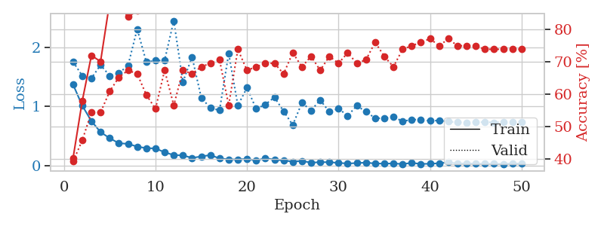
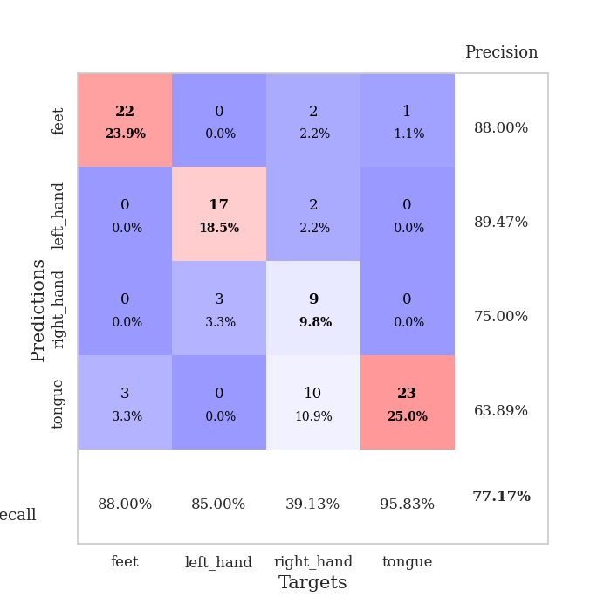
train_loss | valid_loss | train_accuracy | valid_accuracy | dur | train_misclass | valid_misclass
1.3686064922 | 1.7532472248 | 0.40217391304 | 0.39130434783 | 0.080394268036 | 40.217391304 | 39.130434783
1.0134414072 | 1.5178368558 | 0.57880434783 | 0.45652173913 | 0.079637527466 | 57.880434783 | 45.652173913
0.75244871689 | 1.4752718936 | 0.72010869565 | 0.54347826087 | 0.079526662827 | 72.010869565 | 54.347826087
0.56666375502 | 1.7002811587 | 0.70108695652 | 0.54347826087 | 0.079488992691 | 70.108695652 | 54.347826087
0.46386155357 | 1.5175767411 | 0.88586956522 | 0.60869565217 | 0.079183340073 | 88.586956522 | 60.869565217
0.37856381808 | 1.5619981133 | 0.88043478261 | 0.65217391304 | 0.079272985458 | 88.043478261 | 65.217391304
0.36873088842 | 1.6905500785 | 0.83967391304 | 0.67391304348 | 0.079330444336 | 83.967391304 | 67.391304348
0.32166485488 | 2.3070161654 | 0.85869565217 | 0.66304347826 | 0.079386949539 | 85.869565217 | 66.304347826
0.29580768489 | 1.7512010388 | 0.97554347826 | 0.59782608696 | 0.079386472702 | 97.554347826 | 59.782608696
0.29095759793 | 1.7736061604 | 0.89945652174 | 0.55434782609 | 0.079289913177 | 89.945652174 | 55.434782609
0.22612049171 | 1.7797897691 | 0.97010869565 | 0.67391304348 | 0.079223871231 | 97.010869565 | 67.391304348
0.17883933117 | 2.4472967438 | 0.9347826087 | 0.5652173913 | 0.083523750305 | 93.47826087 | 56.52173913
0.17384012643 | 1.4140491952 | 0.97010869565 | 0.67391304348 | 0.079066991806 | 97.010869565 | 67.391304348
0.13098370624 | 1.8351095241 | 0.94836956522 | 0.66304347826 | 0.079257965088 | 94.836956522 | 66.304347826
0.15599208617 | 1.1491278928 | 1 | 0.6847826087 | 0.080149650574 | 100 | 68.47826087
0.17885016877 | 0.97237518041 | 0.98913043478 | 0.69565217391 | 0.079534292221 | 98.913043478 | 69.565217391
0.12245544645 | 0.93564085857 | 1 | 0.70652173913 | 0.079396724701 | 100 | 70.652173913
0.10627501519 | 1.8947727784 | 0.89945652174 | 0.5652173913 | 0.079424858093 | 89.945652174 | 56.52173913
0.10483536436 | 1.0167459923 | 0.99456521739 | 0.73913043478 | 0.07917881012 | 99.456521739 | 73.913043478
0.11486832895 | 1.315736895 | 0.98369565217 | 0.67391304348 | 0.079476594925 | 98.369565217 | 67.391304348
0.085933756184 | 0.95965733217 | 1 | 0.6847826087 | 0.079318523407 | 100 | 68.47826087
0.12808133435 | 1.0311422504 | 0.99456521739 | 0.69565217391 | 0.079396247864 | 99.456521739 | 69.565217391
0.10042334484 | 1.1553158734 | 0.9972826087 | 0.69565217391 | 0.079221487045 | 99.72826087 | 69.565217391
0.088050750327 | 0.92000617152 | 1 | 0.66304347826 | 0.079159736633 | 100 | 66.304347826
0.067980175028 | 0.6859201763 | 1 | 0.72826086957 | 0.078446388245 | 100 | 72.826086957
0.080724185049 | 1.06102266 | 1 | 0.6847826087 | 0.078186273575 | 100 | 68.47826087
0.049690730566 | 0.93363332748 | 1 | 0.71739130435 | 0.079042673111 | 100 | 71.739130435
0.060036888953 | 1.1067327261 | 1 | 0.67391304348 | 0.079232692719 | 100 | 67.391304348
0.057864046777 | 0.90990030766 | 1 | 0.71739130435 | 0.079301118851 | 100 | 71.739130435
0.047280327741 | 0.96284687001 | 1 | 0.69565217391 | 0.079364061356 | 100 | 69.565217391
0.035933554456 | 0.84348818012 | 1 | 0.72826086957 | 0.079282999039 | 100 | 72.826086957
0.044076546298 | 1.0106906839 | 1 | 0.69565217391 | 0.079826593399 | 100 | 69.565217391
0.051351648249 | 0.91198104361 | 1 | 0.70652173913 | 0.080743312836 | 100 | 70.652173913
0.036877002709 | 0.80180756424 | 1 | 0.76086956522 | 0.080058336258 | 100 | 76.086956522
0.034246562919 | 0.80040289008 | 1 | 0.71739130435 | 0.080130338669 | 100 | 71.739130435
0.037522836335 | 0.82809386564 | 1 | 0.6847826087 | 0.079707622528 | 100 | 68.47826087
0.027481877974 | 0.74705485676 | 1 | 0.73913043478 | 0.07975935936 | 100 | 73.913043478
0.046790408649 | 0.77880762453 | 1 | 0.75 | 0.07967042923 | 100 | 75
0.029617127659 | 0.77390998343 | 1 | 0.76086956522 | 0.07964348793 | 100 | 76.086956522
0.03202498439 | 0.75625943101 | 1 | 0.77173913043 | 0.079791545868 | 100 | 77.173913043
0.041031334792 | 0.76355941399 | 1 | 0.75 | 0.080053329468 | 100 | 75
0.056259022975 | 0.7456975035 | 1 | 0.77173913043 | 0.079727172852 | 100 | 77.173913043
0.036225607194 | 0.73039870936 | 1 | 0.75 | 0.081480979919 | 100 | 75
0.037603571282 | 0.72840704089 | 1 | 0.75 | 0.079372167587 | 100 | 75
0.034771514287 | 0.73484684073 | 1 | 0.75 | 0.079605817795 | 100 | 75
0.031419501827 | 0.73577508201 | 1 | 0.73913043478 | 0.07967376709 | 100 | 73.913043478
0.032465879178 | 0.72933238486 | 1 | 0.73913043478 | 0.079909563065 | 100 | 73.913043478
0.027654974478 | 0.7333345776 | 1 | 0.73913043478 | 0.079581975937 | 100 | 73.913043478
0.038254975453 | 0.7364999626 | 1 | 0.73913043478 | 0.079730272293 | 100 | 73.913043478
0.03503610466 | 0.74015532369 | 1 | 0.73913043478 | 0.079799175262 | 100 | 73.913043478

Best Val accuracy is 0.7717391304347826 and Best test accuracy is 0.7413793103448276

Sheet4
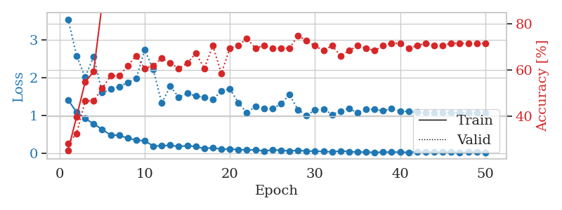
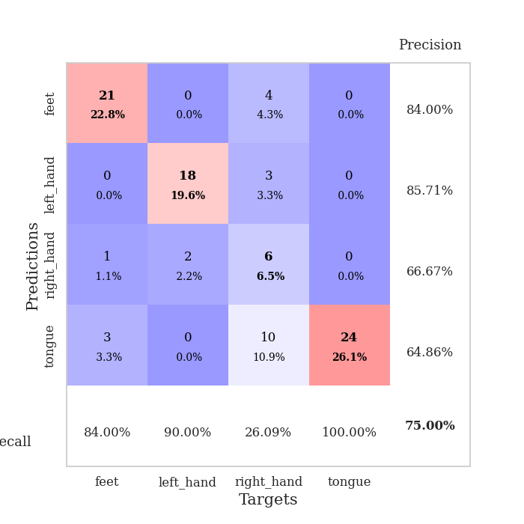
train_loss | valid_loss | train_accuracy | valid_accuracy | dur | train_misclass | valid_misclass
1.4067577331 | 3.5391574632 | 0.2527173913 | 0.28260869565 | 0.08287525177 | 25.27173913 | 28.260869565
1.085285959 | 2.5775073715 | 0.39945652174 | 0.32608695652 | 0.079444408417 | 39.945652174 | 32.608695652
0.91916579267 | 2.0071883409 | 0.54891304348 | 0.46739130435 | 0.079064130783 | 54.891304348 | 46.739130435
0.77662998956 | 2.5568761307 | 0.59510869565 | 0.46739130435 | 0.079102516174 | 59.510869565 | 46.739130435
0.63054171593 | 1.5992568679 | 0.88858695652 | 0.52173913043 | 0.079189062119 | 88.858695652 | 52.173913043
0.48205871815 | 1.694114996 | 0.88586956522 | 0.57608695652 | 0.08225607872 | 88.586956522 | 57.608695652
0.47554612937 | 1.7559615114 | 0.88586956522 | 0.57608695652 | 0.079171895981 | 88.586956522 | 57.608695652
0.39886118342 | 1.870041982 | 0.86684782609 | 0.61956521739 | 0.079370260239 | 86.684782609 | 61.956521739
0.34920244048 | 1.9713905791 | 0.89945652174 | 0.66304347826 | 0.079461574554 | 89.945652174 | 66.304347826
0.3291871998 | 2.731734224 | 0.89130434783 | 0.60869565217 | 0.079338550568 | 89.130434783 | 60.869565217
0.19191568304 | 2.2149088901 | 0.94836956522 | 0.61956521739 | 0.079344749451 | 94.836956522 | 61.956521739
0.19706503853 | 1.325565872 | 0.96467391304 | 0.65217391304 | 0.079506874084 | 96.467391304 | 65.217391304
0.21391679347 | 1.7699761132 | 0.97826086957 | 0.63043478261 | 0.079354763031 | 97.826086957 | 63.043478261
0.17674591117 | 1.4820361189 | 0.98097826087 | 0.60869565217 | 0.079208612442 | 98.097826087 | 60.869565217
0.20138068837 | 1.5847095407 | 0.98097826087 | 0.63043478261 | 0.079247951508 | 98.097826087 | 63.043478261
0.17816442348 | 1.5082193976 | 0.98913043478 | 0.67391304348 | 0.079200029373 | 98.913043478 | 67.391304348
0.12576613446 | 1.4829157384 | 0.9972826087 | 0.60869565217 | 0.079232931137 | 99.72826087 | 60.869565217
0.14652477715 | 1.4200358132 | 0.99456521739 | 0.70652173913 | 0.079169511795 | 99.456521739 | 70.652173913
0.10472568813 | 1.6406632869 | 0.98097826087 | 0.58695652174 | 0.079790592194 | 98.097826087 | 58.695652174
0.11105357402 | 1.6998339218 | 0.98369565217 | 0.69565217391 | 0.079434394836 | 98.369565217 | 69.565217391
0.09844751984 | 1.3377150608 | 1 | 0.70652173913 | 0.079800128937 | 100 | 70.652173913
0.088230996393 | 1.0666068274 | 0.9972826087 | 0.73913043478 | 0.079234838486 | 99.72826087 | 73.913043478
0.093181772117 | 1.2357860182 | 1 | 0.69565217391 | 0.079654932022 | 100 | 69.565217391
0.059257886676 | 1.1873226062 | 1 | 0.70652173913 | 0.07938337326 | 100 | 70.652173913
0.088448739813 | 1.1739435714 | 1 | 0.69565217391 | 0.079746723175 | 100 | 69.565217391
0.082059285644 | 1.3029834136 | 1 | 0.69565217391 | 0.079308271408 | 100 | 69.565217391
0.059910320758 | 1.5529110432 | 0.9972826087 | 0.69565217391 | 0.07950091362 | 99.72826087 | 69.565217391
0.077848827952 | 1.1481744103 | 1 | 0.75 | 0.079248189926 | 100 | 75
0.059713988788 | 0.99854103897 | 1 | 0.72826086957 | 0.080449819565 | 100 | 72.826086957
0.057301446957 | 1.1448380429 | 1 | 0.70652173913 | 0.079428672791 | 100 | 70.652173913
0.047323384039 | 1.1713694645 | 1 | 0.6847826087 | 0.079705953598 | 100 | 68.47826087
0.038659536887 | 1.0230298301 | 1 | 0.70652173913 | 0.079385995865 | 100 | 70.652173913
0.061186760173 | 1.1117131658 | 1 | 0.66304347826 | 0.079433679581 | 100 | 66.304347826
0.045555986383 | 1.1845368717 | 1 | 0.6847826087 | 0.079324007034 | 100 | 68.47826087
0.032911999455 | 1.0647581142 | 1 | 0.70652173913 | 0.079441785812 | 100 | 70.652173913
0.03213341115 | 1.1608391586 | 1 | 0.69565217391 | 0.0854139328 | 100 | 69.565217391
0.024491808732 | 1.1579213246 | 1 | 0.6847826087 | 0.085344552994 | 100 | 68.47826087
0.030032306565 | 1.1200209027 | 1 | 0.70652173913 | 0.090458393097 | 100 | 70.652173913
0.031303511406 | 1.1806745426 | 1 | 0.71739130435 | 0.079299211502 | 100 | 71.739130435
0.030808781162 | 1.1145538299 | 1 | 0.71739130435 | 0.07871723175 | 100 | 71.739130435
0.023817674723 | 1.1027200274 | 1 | 0.69565217391 | 0.078154325485 | 100 | 69.565217391
0.04272334798 | 1.0829866554 | 1 | 0.70652173913 | 0.078009843826 | 100 | 70.652173913
0.034423921105 | 1.0808144082 | 1 | 0.71739130435 | 0.077996969223 | 100 | 71.739130435
0.033515603565 | 1.0790178102 | 1 | 0.70652173913 | 0.078147411346 | 100 | 70.652173913
0.028243774002 | 1.0770661675 | 1 | 0.70652173913 | 0.078231096268 | 100 | 70.652173913
0.036400331144 | 1.070138273 | 1 | 0.71739130435 | 0.078083992004 | 100 | 71.739130435
0.02290271176 | 1.0717522994 | 1 | 0.71739130435 | 0.078134059906 | 100 | 71.739130435
0.029111814387 | 1.0716981629 | 1 | 0.71739130435 | 0.077992916107 | 100 | 71.739130435
0.036915384709 | 1.0747471478 | 1 | 0.71739130435 | 0.078001499176 | 100 | 71.739130435
0.024086581877 | 1.0766252487 | 1 | 0.71739130435 | 0.07812833786 | 100 | 71.739130435

Best Val accuracy is 0.75 and Best test accuracy is 0.6379310344827587

Sheet5
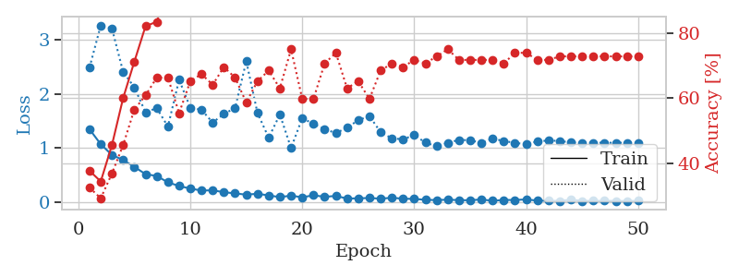
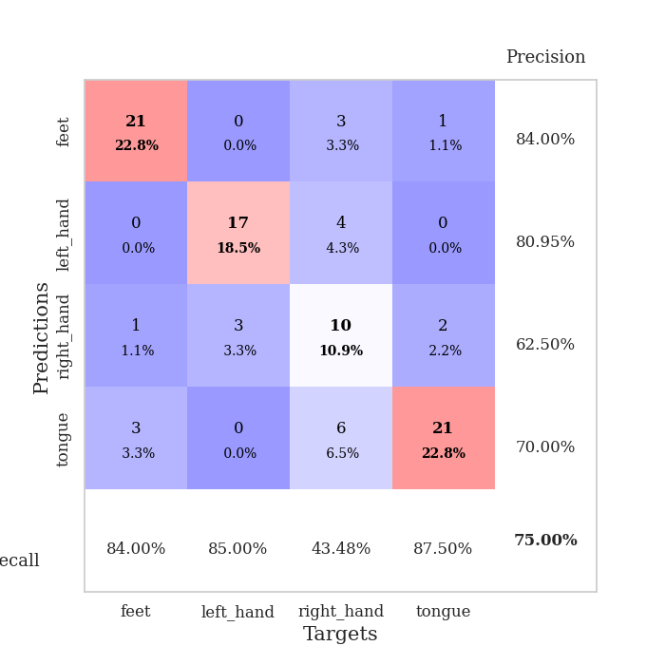
train_loss | valid_loss | train_accuracy | valid_accuracy | dur | train_misclass | valid_misclass
1.3478371371 | 2.4868533197 | 0.3777173913 | 0.32608695652 | 0.079560995102 | 37.77173913 | 32.608695652
1.0722046494 | 3.2624596202 | 0.34510869565 | 0.29347826087 | 0.079014778137 | 34.510869565 | 29.347826087
0.87525047556 | 3.2056080777 | 0.45652173913 | 0.36956521739 | 0.07880449295 | 45.652173913 | 36.956521739
0.78019157376 | 2.4055833557 | 0.60054347826 | 0.45652173913 | 0.079339981079 | 60.054347826 | 45.652173913
0.65596866219 | 2.1218697921 | 0.71195652174 | 0.5652173913 | 0.079251289368 | 71.195652174 | 56.52173913
0.51995332086 | 1.6603534636 | 0.82065217391 | 0.60869565217 | 0.079365253448 | 82.065217391 | 60.869565217
0.48763761572 | 1.7381206699 | 0.83423913043 | 0.66304347826 | 0.079683065414 | 83.423913043 | 66.304347826
0.3698469219 | 1.3984753204 | 0.93206521739 | 0.66304347826 | 0.079787492752 | 93.206521739 | 66.304347826
0.30214819636 | 2.261531721 | 0.8777173913 | 0.55434782609 | 0.079339981079 | 87.77173913 | 55.434782609
0.25456482561 | 1.7462323956 | 0.94836956522 | 0.65217391304 | 0.079408168793 | 94.836956522 | 65.217391304
0.21917144922 | 1.7072772721 | 0.94565217391 | 0.67391304348 | 0.079597949982 | 94.565217391 | 67.391304348
0.22255063154 | 1.4721422351 | 0.98097826087 | 0.64130434783 | 0.079752206802 | 98.097826087 | 64.130434783
0.18806265392 | 1.6306024479 | 0.97554347826 | 0.69565217391 | 0.079564332962 | 97.554347826 | 69.565217391
0.16612859265 | 1.7399036988 | 0.96739130435 | 0.66304347826 | 0.07982134819 | 96.739130435 | 66.304347826
0.14243403182 | 2.6009348994 | 0.90760869565 | 0.58695652174 | 0.079348802567 | 90.760869565 | 58.695652174
0.15990279753 | 1.6481451418 | 0.97554347826 | 0.65217391304 | 0.079583406448 | 97.554347826 | 65.217391304
0.12825511218 | 1.1920157049 | 0.98913043478 | 0.6847826087 | 0.079449653625 | 98.913043478 | 68.47826087
0.097895901974 | 1.6200764387 | 0.98369565217 | 0.63043478261 | 0.079369544983 | 98.369565217 | 63.043478261
0.12469008881 | 1.0005183375 | 0.98641304348 | 0.75 | 0.079403877258 | 98.641304348 | 75
0.093766085723 | 1.5564761836 | 0.9972826087 | 0.59782608696 | 0.0795814991 | 99.72826087 | 59.782608696
0.13174363633 | 1.44367614 | 0.99184782609 | 0.59782608696 | 0.079572439194 | 99.184782609 | 59.782608696
0.10244522434 | 1.3541798229 | 0.98913043478 | 0.70652173913 | 0.079523801804 | 98.913043478 | 70.652173913
0.11955413935 | 1.2755503084 | 1 | 0.73913043478 | 0.079470872879 | 100 | 73.913043478
0.071185750907 | 1.3784135684 | 1 | 0.63043478261 | 0.079381227493 | 100 | 63.043478261
0.075170710399 | 1.5140885529 | 0.99456521739 | 0.65217391304 | 0.079356431961 | 99.456521739 | 65.217391304
0.081374704109 | 1.5924539151 | 1 | 0.59782608696 | 0.079364538193 | 100 | 59.782608696
0.068610901458 | 1.2935069022 | 1 | 0.6847826087 | 0.079463005066 | 100 | 68.47826087
0.085613608563 | 1.1808248085 | 1 | 0.70652173913 | 0.079506397247 | 100 | 70.652173913
0.068089585387 | 1.1630270792 | 1 | 0.69565217391 | 0.079504966736 | 100 | 69.565217391
0.064412171315 | 1.2420861203 | 1 | 0.71739130435 | 0.079571962357 | 100 | 71.739130435
0.048081199153 | 1.1015456397 | 1 | 0.70652173913 | 0.079476833344 | 100 | 70.652173913
0.042474061959 | 1.0343399566 | 1 | 0.72826086957 | 0.079423904419 | 100 | 72.826086957
0.050575745555 | 1.0993734391 | 1 | 0.75 | 0.079498052597 | 100 | 75
0.041539350924 | 1.1519029659 | 1 | 0.71739130435 | 0.079369544983 | 100 | 71.739130435
0.039603415715 | 1.1462034713 | 1 | 0.71739130435 | 0.079425573349 | 100 | 71.739130435
0.054054624138 | 1.0944786538 | 1 | 0.71739130435 | 0.079572916031 | 100 | 71.739130435
0.029139109766 | 1.1761268844 | 1 | 0.71739130435 | 0.079628944397 | 100 | 71.739130435
0.045286349122 | 1.1315135282 | 1 | 0.70652173913 | 0.079522848129 | 100 | 70.652173913
0.043875722275 | 1.0975080729 | 1 | 0.73913043478 | 0.079455375671 | 100 | 73.913043478
0.055180884635 | 1.0721694127 | 1 | 0.73913043478 | 0.079482555389 | 100 | 73.913043478
0.032606766671 | 1.1231652395 | 1 | 0.71739130435 | 0.079415559769 | 100 | 71.739130435
0.029698469625 | 1.141641565 | 1 | 0.71739130435 | 0.079547643661 | 100 | 71.739130435
0.028755394833 | 1.1319277753 | 1 | 0.72826086957 | 0.079521417618 | 100 | 72.826086957
0.050732526645 | 1.1048309751 | 1 | 0.72826086957 | 0.079488277435 | 100 | 72.826086957
0.027124092631 | 1.098939284 | 1 | 0.72826086957 | 0.079704046249 | 100 | 72.826086957
0.02948857935 | 1.0993023074 | 1 | 0.72826086957 | 0.079665184021 | 100 | 72.826086957
0.029357145783 | 1.099194537 | 1 | 0.72826086957 | 0.079483032227 | 100 | 72.826086957
0.028591139546 | 1.0992214161 | 1 | 0.72826086957 | 0.079600334167 | 100 | 72.826086957
0.024913589986 | 1.0985262135 | 1 | 0.72826086957 | 0.081475496292 | 100 | 72.826086957
0.029547640102 | 1.0985985321 | 1 | 0.72826086957 | 0.078382730484 | 100 | 72.826086957

Best Val accuracy is 0.75 and Best test accuracy is 0.6379310344827587

Sheet6
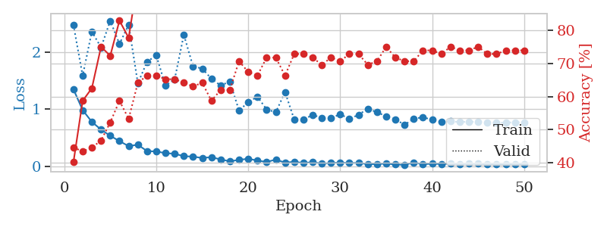
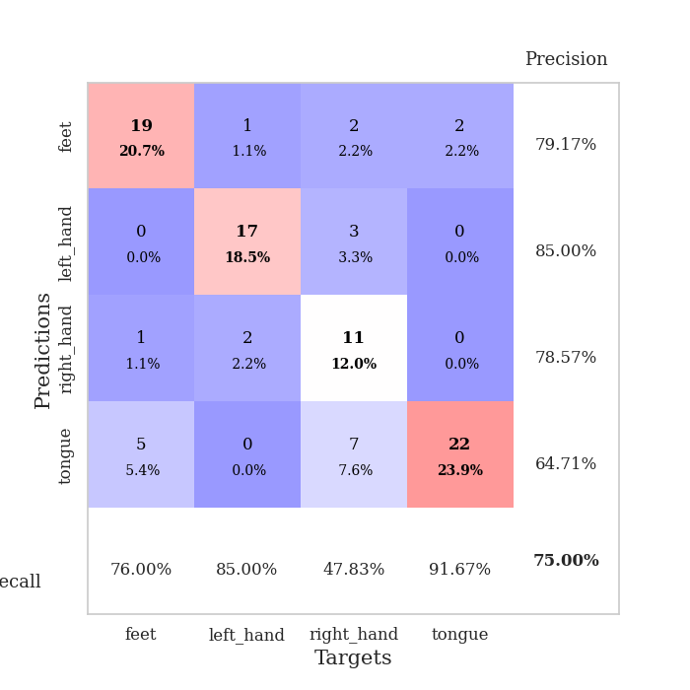
train_loss | valid_loss | train_accuracy | valid_accuracy | dur | train_misclass | valid_misclass
1.3488624562 | 2.4755536681 | 0.40217391304 | 0.44565217391 | 0.078813076019 | 40.217391304 | 44.565217391
0.98314309379 | 1.5860912903 | 0.58695652174 | 0.4347826087 | 0.077594041824 | 58.695652174 | 43.47826087
0.77764750823 | 2.3603847597 | 0.625 | 0.44565217391 | 0.077426671982 | 62.5 | 44.565217391
0.64108037689 | 2.0825438085 | 0.75 | 0.46739130435 | 0.077739715576 | 75 | 46.739130435
0.53286920617 | 2.5494286392 | 0.72282608696 | 0.52173913043 | 0.077981472015 | 72.282608696 | 52.173913043
0.44032761325 | 2.1445291198 | 0.82880434783 | 0.58695652174 | 0.078135967255 | 82.880434783 | 58.695652174
0.35154419036 | 2.4784880877 | 0.77717391304 | 0.53260869565 | 0.078336238861 | 77.717391304 | 53.260869565
0.37735584994 | 1.4528748626 | 0.95380434783 | 0.64130434783 | 0.078184366226 | 95.380434783 | 64.130434783
0.26425985247 | 1.8301835786 | 0.95108695652 | 0.66304347826 | 0.078282117844 | 95.108695652 | 66.304347826
0.25897140963 | 1.9444468851 | 0.9347826087 | 0.66304347826 | 0.078219890594 | 93.47826087 | 66.304347826
0.22865851029 | 1.4129732847 | 0.98641304348 | 0.65217391304 | 0.079210281372 | 98.641304348 | 65.217391304
0.21822679707 | 1.5220529463 | 0.98641304348 | 0.65217391304 | 0.079054117203 | 98.641304348 | 65.217391304
0.17542896695 | 2.304774274 | 0.93206521739 | 0.64130434783 | 0.078246355057 | 93.206521739 | 64.130434783
0.1680280848 | 1.7506688367 | 0.99456521739 | 0.63043478261 | 0.078271627426 | 99.456521739 | 63.043478261
0.14411823346 | 1.7131791789 | 0.97010869565 | 0.64130434783 | 0.077971458435 | 97.010869565 | 64.130434783
0.15938556227 | 1.5323572262 | 0.98913043478 | 0.58695652174 | 0.07795715332 | 98.913043478 | 58.695652174
0.11771547527 | 1.4153183284 | 0.95108695652 | 0.61956521739 | 0.078171014786 | 95.108695652 | 61.956521739
0.086724809978 | 1.4849307122 | 0.98369565217 | 0.61956521739 | 0.078098297119 | 98.369565217 | 61.956521739
0.11076925096 | 0.97775223722 | 0.99456521739 | 0.70652173913 | 0.077962636948 | 99.456521739 | 70.652173913
0.13060552449 | 1.1202056408 | 1 | 0.67391304348 | 0.078375816345 | 100 | 67.391304348
0.098779509127 | 1.2204568801 | 0.99456521739 | 0.66304347826 | 0.078099012375 | 99.456521739 | 66.304347826
0.074306797965 | 0.99530316436 | 0.98641304348 | 0.71739130435 | 0.078123569489 | 98.641304348 | 71.739130435
0.11617172914 | 0.94593234943 | 0.9972826087 | 0.71739130435 | 0.078489303589 | 99.72826087 | 71.739130435
0.062782668914 | 1.3004911257 | 1 | 0.66304347826 | 0.077988862991 | 100 | 66.304347826
0.076610115235 | 0.81994601955 | 1 | 0.72826086957 | 0.077968597412 | 100 | 72.826086957
0.056328694903 | 0.81332959818 | 0.99456521739 | 0.72826086957 | 0.078496932983 | 99.456521739 | 72.826086957
0.069875135734 | 0.9022834301 | 0.9972826087 | 0.71739130435 | 0.078174352646 | 99.72826087 | 71.739130435
0.046874769538 | 0.84418869537 | 1 | 0.69565217391 | 0.078095436096 | 100 | 69.565217391
0.055687462243 | 0.83848985382 | 0.9972826087 | 0.71739130435 | 0.077899694443 | 99.72826087 | 71.739130435
0.062155776414 | 0.91381948927 | 1 | 0.70652173913 | 0.077988147736 | 100 | 70.652173913
0.055293561202 | 0.82651213978 | 0.99456521739 | 0.72826086957 | 0.077970981598 | 99.456521739 | 72.826086957
0.057549611949 | 0.90386596452 | 1 | 0.72826086957 | 0.078136444092 | 100 | 72.826086957
0.036780342014 | 1.0058977811 | 1 | 0.69565217391 | 0.078253507614 | 100 | 69.565217391
0.036252725626 | 0.94758460833 | 1 | 0.70652173913 | 0.078235626221 | 100 | 70.652173913
0.047772870359 | 0.87371251117 | 1 | 0.75 | 0.078082561493 | 100 | 75
0.028383151942 | 0.82222939574 | 1 | 0.71739130435 | 0.078206539154 | 100 | 71.739130435
0.025174488243 | 0.72603105203 | 1 | 0.70652173913 | 0.078052759171 | 100 | 70.652173913
0.065011040429 | 0.83391380051 | 1 | 0.70652173913 | 0.077986240387 | 100 | 70.652173913
0.036018730981 | 0.85673043521 | 1 | 0.73913043478 | 0.078052520752 | 100 | 73.913043478
0.042766001642 | 0.81576235657 | 1 | 0.73913043478 | 0.077937364578 | 100 | 73.913043478
0.039044892122 | 0.77586573362 | 1 | 0.72826086957 | 0.078029870987 | 100 | 72.826086957
0.044446106453 | 0.78590533008 | 1 | 0.75 | 0.078249454498 | 100 | 75
0.037093614147 | 0.77396933151 | 1 | 0.73913043478 | 0.078159570694 | 100 | 73.913043478
0.045448010636 | 0.78140019593 | 1 | 0.73913043478 | 0.077959060669 | 100 | 73.913043478
0.042040355878 | 0.77525342547 | 1 | 0.75 | 0.077989816666 | 100 | 75
0.033391217944 | 0.7613433729 | 1 | 0.72826086957 | 0.078061819077 | 100 | 72.826086957
0.036755720012 | 0.76131230074 | 1 | 0.72826086957 | 0.077980279922 | 100 | 72.826086957
0.029843589068 | 0.76539011364 | 1 | 0.73913043478 | 0.077875375748 | 100 | 73.913043478
0.040780383466 | 0.76818723523 | 1 | 0.73913043478 | 0.078028917313 | 100 | 73.913043478
0.034608695393 | 0.76940723087 | 1 | 0.73913043478 | 0.078058719635 | 100 | 73.913043478

Best Val accuracy is 0.75 and Best test accuracy is 0.6637931034482759

Sheet7
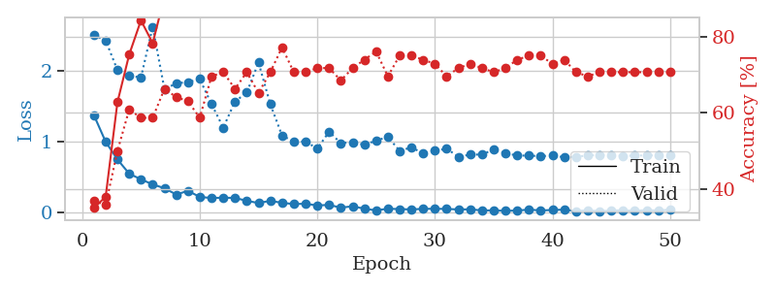
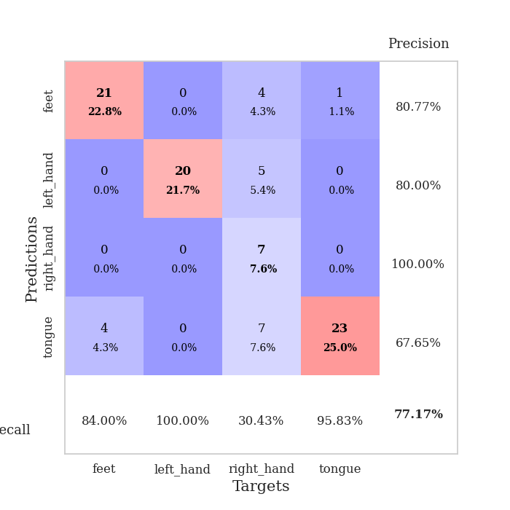
train_loss | valid_loss | train_accuracy | valid_accuracy | dur | train_misclass | valid_misclass
1.3741574495 | 2.5006592066 | 0.35054347826 | 0.36956521739 | 0.078195095062 | 35.054347826 | 36.956521739
0.99996089935 | 2.4253562741 | 0.38043478261 | 0.35869565217 | 0.08065867424 | 38.043478261 | 35.869565217
0.75202906132 | 2.0085466219 | 0.6277173913 | 0.5 | 0.078978300095 | 62.77173913 | 50
0.55189759705 | 1.9313939499 | 0.7527173913 | 0.60869565217 | 0.079408407211 | 75.27173913 | 60.869565217
0.47213709614 | 1.9035859678 | 0.84239130435 | 0.58695652174 | 0.079379081726 | 84.239130435 | 58.695652174
0.40114399208 | 2.6190648286 | 0.78260869565 | 0.58695652174 | 0.079161882401 | 78.260869565 | 58.695652174
0.34705926251 | 1.7383851124 | 0.90489130435 | 0.66304347826 | 0.079310655594 | 90.489130435 | 66.304347826
0.25867329635 | 1.823899974 | 0.91576086957 | 0.64130434783 | 0.079557180405 | 91.576086957 | 64.130434783
0.31041152176 | 1.8381660969 | 0.95380434783 | 0.63043478261 | 0.079437971115 | 95.380434783 | 63.043478261
0.22471897207 | 1.8830663536 | 0.91304347826 | 0.58695652174 | 0.079176664352 | 91.304347826 | 58.695652174
0.20958477153 | 1.5294667949 | 0.96739130435 | 0.69565217391 | 0.079274654388 | 96.739130435 | 69.565217391
0.21406295636 | 1.1998768863 | 0.99456521739 | 0.70652173913 | 0.07917714119 | 99.456521739 | 70.652173913
0.21077218943 | 1.5665241998 | 0.96195652174 | 0.66304347826 | 0.079211950302 | 96.195652174 | 66.304347826
0.17003395392 | 1.692381978 | 0.97826086957 | 0.70652173913 | 0.079128742218 | 97.826086957 | 70.652173913
0.13917067975 | 2.1155425155 | 0.96739130435 | 0.65217391304 | 0.079215049744 | 96.739130435 | 65.217391304
0.17008217092 | 1.5287064677 | 0.97282608696 | 0.70652173913 | 0.07906961441 | 97.282608696 | 70.652173913
0.14160064543 | 1.087993316 | 0.99456521739 | 0.77173913043 | 0.079409360886 | 99.456521739 | 77.173913043
0.12494397965 | 1.0033173898 | 0.99456521739 | 0.70652173913 | 0.079454660416 | 99.456521739 | 70.652173913
0.12896177165 | 1.0034529385 | 1 | 0.70652173913 | 0.079198360443 | 100 | 70.652173913
0.10468614948 | 0.90412053595 | 0.98641304348 | 0.71739130435 | 0.07910990715 | 98.641304348 | 71.739130435
0.1131961323 | 1.1426574769 | 1 | 0.71739130435 | 0.079319477081 | 100 | 71.739130435
0.073291141337 | 0.98009390157 | 1 | 0.6847826087 | 0.079179763794 | 100 | 68.47826087
0.093804387011 | 0.99543509276 | 1 | 0.71739130435 | 0.079063177109 | 100 | 71.739130435
0.059096631533 | 0.95783924538 | 1 | 0.73913043478 | 0.078950881958 | 100 | 73.913043478
0.035246447053 | 1.0175939125 | 0.99456521739 | 0.76086956522 | 0.079001665115 | 99.456521739 | 76.086956522
0.059499185026 | 1.0688493589 | 0.9972826087 | 0.69565217391 | 0.078966379166 | 99.72826087 | 69.565217391
0.053288965 | 0.87296484864 | 1 | 0.75 | 0.078467845917 | 100 | 75
0.049398217229 | 0.92114468243 | 1 | 0.75 | 0.078949213028 | 100 | 75
0.057063340756 | 0.83854206749 | 1 | 0.73913043478 | 0.079301595688 | 100 | 73.913043478
0.058345674132 | 0.87502235433 | 1 | 0.72826086957 | 0.079233646393 | 100 | 72.826086957
0.0558482958 | 0.90166103581 | 1 | 0.69565217391 | 0.079235315323 | 100 | 69.565217391
0.048722220909 | 0.79088955081 | 1 | 0.71739130435 | 0.079202651978 | 100 | 71.739130435
0.050629735438 | 0.81884797241 | 1 | 0.72826086957 | 0.079118967056 | 100 | 72.826086957
0.034761398666 | 0.82192000358 | 1 | 0.71739130435 | 0.079298973083 | 100 | 71.739130435
0.035734134767 | 0.89090350659 | 1 | 0.70652173913 | 0.078834533691 | 100 | 70.652173913
0.029343961789 | 0.84047759616 | 1 | 0.71739130435 | 0.079171895981 | 100 | 71.739130435
0.033406021661 | 0.80645269674 | 1 | 0.73913043478 | 0.079032182693 | 100 | 73.913043478
0.046521080688 | 0.80630233236 | 1 | 0.75 | 0.079224348068 | 100 | 75
0.034714434731 | 0.79761972635 | 1 | 0.75 | 0.078755617142 | 100 | 75
0.041234671189 | 0.80761224031 | 1 | 0.72826086957 | 0.079096794128 | 100 | 72.826086957
0.04586956073 | 0.78268646676 | 1 | 0.73913043478 | 0.078818559647 | 100 | 73.913043478
0.026125215763 | 0.78955545633 | 1 | 0.70652173913 | 0.078711032867 | 100 | 70.652173913
0.036787583877 | 0.8077085381 | 1 | 0.69565217391 | 0.079104661942 | 100 | 69.565217391
0.023972452578 | 0.81500358685 | 1 | 0.70652173913 | 0.07950925827 | 100 | 70.652173913
0.033100189459 | 0.81092470107 | 1 | 0.70652173913 | 0.079282283783 | 100 | 70.652173913
0.036843013373 | 0.80295500289 | 1 | 0.70652173913 | 0.079308748245 | 100 | 70.652173913
0.02875025295 | 0.80631459018 | 1 | 0.70652173913 | 0.079284667969 | 100 | 70.652173913
0.039642418704 | 0.80872724367 | 1 | 0.70652173913 | 0.079295158386 | 100 | 70.652173913
0.032740421482 | 0.8096949199 | 1 | 0.70652173913 | 0.079169511795 | 100 | 70.652173913
0.046857697434 | 0.81075512585 | 1 | 0.70652173913 | 0.079200744629 | 100 | 70.652173913

Best Val accuracy is 0.7717391304347826 and Best test accuracy is 0.7155172413793104

Sheet8
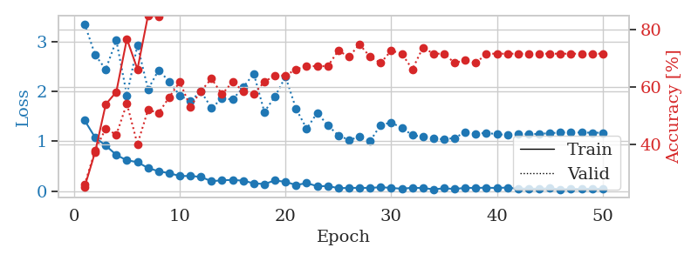
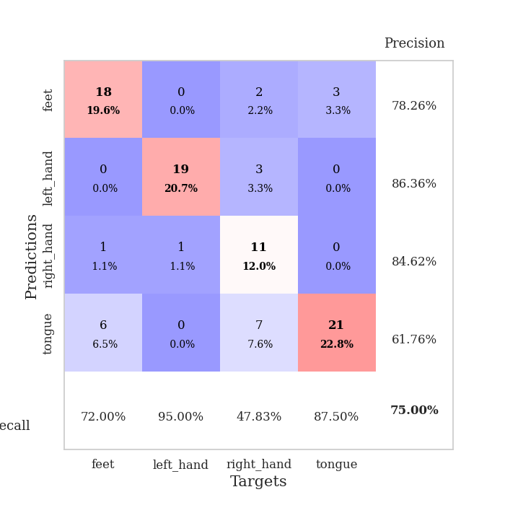
train_loss | valid_loss | train_accuracy | valid_accuracy | dur | train_misclass | valid_misclass
1.4229180087 | 3.3595936506 | 0.2527173913 | 0.26086956522 | 0.079877614975 | 25.27173913 | 26.086956522
1.0739670629 | 2.7384053106 | 0.375 | 0.38043478261 | 0.078858137131 | 37.5 | 38.043478261
0.91465149237 | 2.4444223901 | 0.54076086957 | 0.45652173913 | 0.078718423843 | 54.076086957 | 45.652173913
0.7254019561 | 3.0322948124 | 0.58423913043 | 0.4347826087 | 0.079137086868 | 58.423913043 | 43.47826087
0.61690198598 | 1.9243625091 | 0.76902173913 | 0.54347826087 | 0.07911491394 | 76.902173913 | 54.347826087
0.5819714497 | 2.9306334413 | 0.66304347826 | 0.40217391304 | 0.079218626022 | 66.304347826 | 40.217391304
0.46224508791 | 2.0445997663 | 0.85054347826 | 0.52173913043 | 0.079079151154 | 85.054347826 | 52.173913043
0.39752160466 | 2.4313527812 | 0.84782608696 | 0.51086956522 | 0.079152345657 | 84.782608696 | 51.086956522
0.35886357984 | 2.2039332701 | 0.92391304348 | 0.5652173913 | 0.079258680344 | 92.391304348 | 56.52173913
0.30176152224 | 1.9207911906 | 0.94836956522 | 0.61956521739 | 0.079715967178 | 94.836956522 | 61.956521739
0.30228068518 | 1.8081319436 | 0.9402173913 | 0.53260869565 | 0.079334497452 | 94.02173913 | 53.260869565
0.28448198055 | 2.0031142442 | 0.95108695652 | 0.58695652174 | 0.079349279404 | 95.108695652 | 58.695652174
0.19624344502 | 1.6710634905 | 0.96195652174 | 0.63043478261 | 0.079627513885 | 96.195652174 | 63.043478261
0.21723318537 | 1.8584284731 | 0.95923913043 | 0.57608695652 | 0.079231739044 | 95.923913043 | 57.608695652
0.22270354855 | 1.8407005849 | 0.97554347826 | 0.61956521739 | 0.0795378685 | 97.554347826 | 61.956521739
0.20823810525 | 2.084097515 | 0.96195652174 | 0.58695652174 | 0.079286336899 | 96.195652174 | 58.695652174
0.15438550549 | 2.3609383106 | 0.92391304348 | 0.57608695652 | 0.079323291779 | 92.391304348 | 57.608695652
0.14086875093 | 1.5918953963 | 0.98097826087 | 0.61956521739 | 0.079340457916 | 98.097826087 | 61.956521739
0.21231061204 | 1.8954931964 | 0.97554347826 | 0.64130434783 | 0.079266786575 | 97.554347826 | 64.130434783
0.18498776294 | 2.2995073484 | 0.96467391304 | 0.64130434783 | 0.079270839691 | 96.467391304 | 64.130434783
0.11991853226 | 1.6514931088 | 1 | 0.66304347826 | 0.079392433167 | 100 | 66.304347826
0.15937811416 | 1.2535658764 | 0.99456521739 | 0.67391304348 | 0.079557418823 | 99.456521739 | 67.391304348
0.097140181283 | 1.570731531 | 0.99456521739 | 0.67391304348 | 0.079717874527 | 99.456521739 | 67.391304348
0.099354997844 | 1.3216226101 | 1 | 0.67391304348 | 0.079422950745 | 100 | 67.391304348
0.058582814937 | 1.1182235998 | 1 | 0.72826086957 | 0.079218149185 | 100 | 72.826086957
0.06121882116 | 1.0271539636 | 1 | 0.70652173913 | 0.079627037048 | 100 | 70.652173913
0.06480371535 | 1.0866039266 | 0.9972826087 | 0.75 | 0.079709768295 | 99.72826087 | 75
0.061994571765 | 1.0027896788 | 1 | 0.70652173913 | 0.079838275909 | 100 | 70.652173913
0.077137788413 | 1.3300382003 | 0.9972826087 | 0.6847826087 | 0.079212903976 | 99.72826087 | 68.47826087
0.062243613576 | 1.3757693923 | 1 | 0.72826086957 | 0.079087257385 | 100 | 72.826086957
0.045551736758 | 1.2704252834 | 1 | 0.71739130435 | 0.079212903976 | 100 | 71.739130435
0.065788476485 | 1.1224290288 | 1 | 0.66304347826 | 0.079327344894 | 100 | 66.304347826
0.059150135833 | 1.0905818784 | 1 | 0.73913043478 | 0.079010009766 | 100 | 73.913043478
0.035074706594 | 1.0554546532 | 1 | 0.71739130435 | 0.078941583633 | 100 | 71.739130435
0.053519203247 | 1.0391453194 | 1 | 0.71739130435 | 0.079072713852 | 100 | 71.739130435
0.042073000769 | 1.0680041313 | 1 | 0.6847826087 | 0.079720258713 | 100 | 68.47826087
0.063303653252 | 1.1837403826 | 1 | 0.69565217391 | 0.079290151596 | 100 | 69.565217391
0.062713629323 | 1.1517688554 | 1 | 0.6847826087 | 0.079539060593 | 100 | 68.47826087
0.066880664464 | 1.1683860965 | 1 | 0.71739130435 | 0.07922244072 | 100 | 71.739130435
0.060823689701 | 1.1422634177 | 1 | 0.71739130435 | 0.07931804657 | 100 | 71.739130435
0.070253579229 | 1.1266215625 | 1 | 0.71739130435 | 0.079061031342 | 100 | 71.739130435
0.046022085574 | 1.1529425745 | 1 | 0.71739130435 | 0.079245328903 | 100 | 71.739130435
0.051009436998 | 1.1389826225 | 1 | 0.71739130435 | 0.078668355942 | 100 | 71.739130435
0.042883292873 | 1.1508139787 | 1 | 0.71739130435 | 0.085747480392 | 100 | 71.739130435
0.056559677975 | 1.1626168127 | 1 | 0.71739130435 | 0.087047100067 | 100 | 71.739130435
0.031781426024 | 1.1773774054 | 1 | 0.71739130435 | 0.086535215378 | 100 | 71.739130435
0.043217780048 | 1.1776756981 | 1 | 0.71739130435 | 0.083434581757 | 100 | 71.739130435
0.041066414849 | 1.175586291 | 1 | 0.71739130435 | 0.087982416153 | 100 | 71.739130435
0.048134915399 | 1.1728720769 | 1 | 0.71739130435 | 0.080650806427 | 100 | 71.739130435
0.044004148257 | 1.1724044188 | 1 | 0.71739130435 | 0.081174612045 | 100 | 71.739130435

Best Val accuracy is 0.75 and Best test accuracy is 0.646551724137931

Sheet9
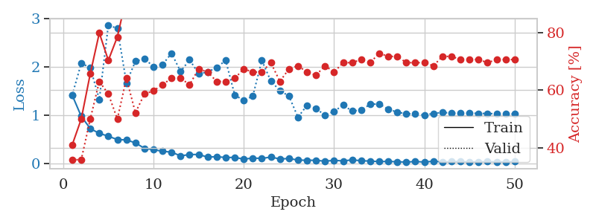
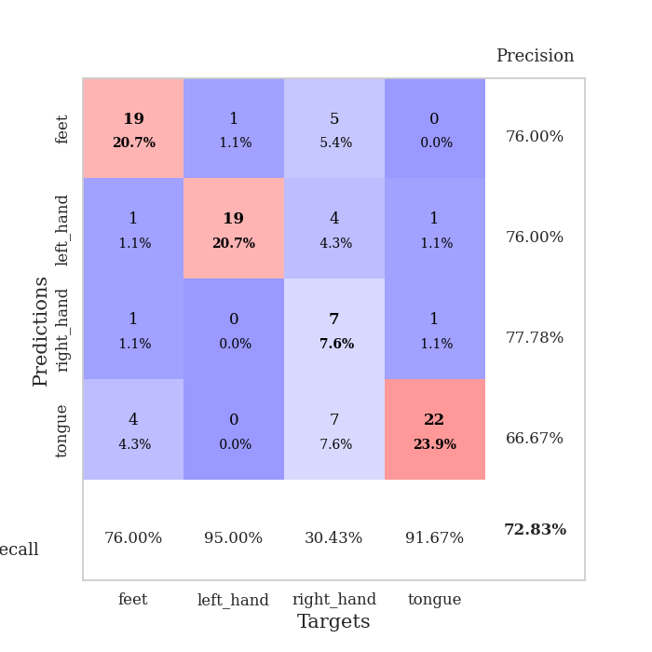
train_loss | valid_loss | train_accuracy | valid_accuracy | dur | train_misclass | valid_misclass
1.4156882815 | 1.4201338188 | 0.41032608696 | 0.35869565217 | 0.080184459686 | 41.032608696 | 35.869565217
0.98035306516 | 2.0746535685 | 0.5 | 0.35869565217 | 0.079392194748 | 50 | 35.869565217
0.72649164174 | 1.9878415232 | 0.65760869565 | 0.5 | 0.079275846481 | 65.760869565 | 50
0.62761720108 | 1.3281423579 | 0.79891304348 | 0.63043478261 | 0.080080270767 | 79.891304348 | 63.043478261
0.5704766473 | 2.864966745 | 0.70380434783 | 0.58695652174 | 0.079471349716 | 70.380434783 | 58.695652174
0.49876961695 | 2.7941633307 | 0.78532608696 | 0.5 | 0.081604242325 | 78.532608696 | 50
0.49352993849 | 1.6704344594 | 0.92391304348 | 0.64130434783 | 0.082985401154 | 92.391304348 | 64.130434783
0.43131473401 | 2.1180052135 | 0.88043478261 | 0.52173913043 | 0.080535411835 | 88.043478261 | 52.173913043
0.31930054076 | 2.1721435889 | 0.91032608696 | 0.58695652174 | 0.080224514008 | 91.032608696 | 58.695652174
0.29119377227 | 2.0052169872 | 0.9347826087 | 0.59782608696 | 0.079872846603 | 93.47826087 | 59.782608696
0.25841313827 | 2.048838999 | 0.92663043478 | 0.61956521739 | 0.079252719879 | 92.663043478 | 61.956521739
0.2394864679 | 2.2826664396 | 0.95923913043 | 0.64130434783 | 0.080453395844 | 95.923913043 | 64.130434783
0.16322407839 | 1.906419526 | 0.97282608696 | 0.64130434783 | 0.080783367157 | 97.282608696 | 64.130434783
0.19024109597 | 2.1469607405 | 0.97554347826 | 0.61956521739 | 0.079842090607 | 97.554347826 | 61.956521739
0.19254180109 | 1.8623364594 | 0.99456521739 | 0.67391304348 | 0.079189062119 | 99.456521739 | 67.391304348
0.13629244973 | 1.8928183835 | 0.96467391304 | 0.66304347826 | 0.07911491394 | 96.467391304 | 66.304347826
0.14786733071 | 1.9923869786 | 0.99456521739 | 0.63043478261 | 0.078738689423 | 99.456521739 | 63.043478261
0.12795548716 | 2.1326908132 | 0.97826086957 | 0.63043478261 | 0.079725503922 | 97.826086957 | 63.043478261
0.13250332156 | 1.420770868 | 0.99456521739 | 0.64130434783 | 0.079490184784 | 99.456521739 | 64.130434783
0.095483098098 | 1.3067158564 | 0.99456521739 | 0.67391304348 | 0.079037904739 | 99.456521739 | 67.391304348
0.11854281932 | 1.3980019818 | 1 | 0.66304347826 | 0.079103469849 | 100 | 66.304347826
0.11023952225 | 2.1342682216 | 0.98369565217 | 0.66304347826 | 0.079225301743 | 98.369565217 | 66.304347826
0.1384757426 | 1.7074830169 | 0.99456521739 | 0.69565217391 | 0.080541133881 | 99.456521739 | 69.565217391
0.099191566524 | 1.5102655006 | 0.99184782609 | 0.63043478261 | 0.079948663712 | 99.184782609 | 63.043478261
0.10844418811 | 1.3995315977 | 1 | 0.67391304348 | 0.079847812653 | 100 | 67.391304348
0.076574214613 | 0.96054564352 | 1 | 0.6847826087 | 0.07966709137 | 100 | 68.47826087
0.071690836192 | 1.2058241238 | 1 | 0.66304347826 | 0.079746723175 | 100 | 66.304347826
0.072679138621 | 1.1413365551 | 1 | 0.65217391304 | 0.07979631424 | 100 | 65.217391304
0.052002043423 | 1.0010140201 | 1 | 0.6847826087 | 0.079765319824 | 100 | 68.47826087
0.07179509241 | 1.0816245649 | 1 | 0.66304347826 | 0.079859018326 | 100 | 66.304347826
0.057982526082 | 1.21123869 | 1 | 0.69565217391 | 0.079603433609 | 100 | 69.565217391
0.080693233495 | 1.0889818461 | 1 | 0.69565217391 | 0.079709291458 | 100 | 69.565217391
0.062691653694 | 1.1093830544 | 1 | 0.70652173913 | 0.079571008682 | 100 | 70.652173913
0.055667144145 | 1.2280019988 | 1 | 0.69565217391 | 0.080142498016 | 100 | 69.565217391
0.044571223588 | 1.2375216951 | 1 | 0.72826086957 | 0.079831600189 | 100 | 72.826086957
0.048595935552 | 1.1252369829 | 1 | 0.71739130435 | 0.080127477646 | 100 | 71.739130435
0.040906844316 | 1.0677625977 | 1 | 0.71739130435 | 0.079892158508 | 100 | 71.739130435
0.034915869104 | 1.0315999829 | 1 | 0.69565217391 | 0.079817533493 | 100 | 69.565217391
0.046102596224 | 1.0303749572 | 1 | 0.69565217391 | 0.079760074615 | 100 | 69.565217391
0.035755487356 | 1.0053155163 | 1 | 0.69565217391 | 0.079625844955 | 100 | 69.565217391
0.051715640959 | 1.0394139342 | 1 | 0.6847826087 | 0.07977104187 | 100 | 68.47826087
0.038639794468 | 1.0608851495 | 1 | 0.71739130435 | 0.079704523087 | 100 | 71.739130435
0.043336184204 | 1.045884604 | 1 | 0.71739130435 | 0.082798719406 | 100 | 71.739130435
0.048735971907 | 1.0438490899 | 1 | 0.70652173913 | 0.080363512039 | 100 | 70.652173913
0.035439781642 | 1.0460684248 | 1 | 0.70652173913 | 0.080138444901 | 100 | 70.652173913
0.041496861463 | 1.0402204679 | 1 | 0.70652173913 | 0.080168247223 | 100 | 70.652173913
0.043930019019 | 1.0386197878 | 1 | 0.69565217391 | 0.079838037491 | 100 | 69.565217391
0.042479900269 | 1.0325938515 | 1 | 0.70652173913 | 0.079752206802 | 100 | 70.652173913
0.03836606034 | 1.029588917 | 1 | 0.70652173913 | 0.079794168472 | 100 | 70.652173913
0.045372631259 | 1.0267814346 | 1 | 0.70652173913 | 0.07991027832 | 100 | 70.652173913

Best Val accuracy is 0.7282608695652174 and Best test accuracy is 0.7068965517241379

Sheet10
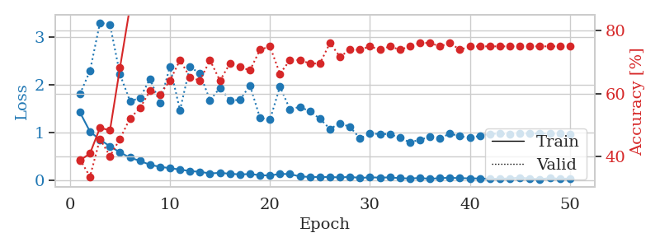
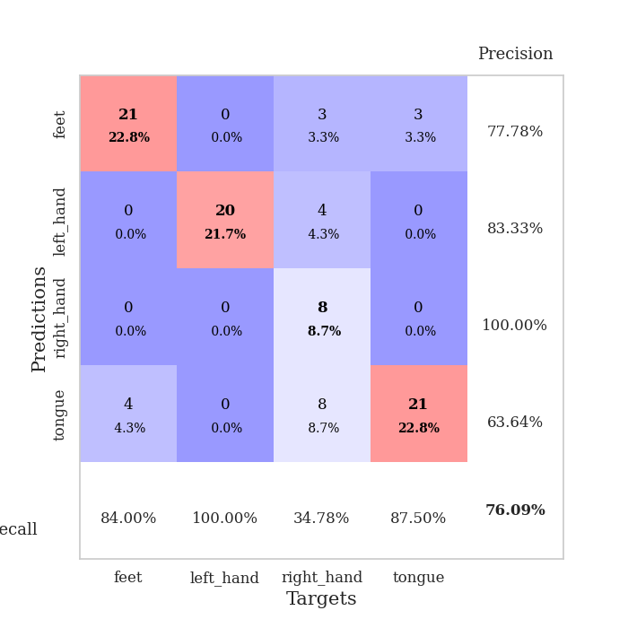
train_loss | valid_loss | train_accuracy | valid_accuracy | dur | train_misclass | valid_misclass
1.4202893299 | 1.8044716845 | 0.38858695652 | 0.39130434783 | 0.081332921982 | 38.858695652 | 39.130434783
1.0189486509 | 2.2855864711 | 0.41032608696 | 0.33695652174 | 0.079520702362 | 41.032608696 | 33.695652174
0.85010060538 | 3.2940293602 | 0.49184782609 | 0.45652173913 | 0.079345941544 | 49.184782609 | 45.652173913
0.71152955812 | 3.2543548397 | 0.48369565217 | 0.40217391304 | 0.079565525055 | 48.369565217 | 40.217391304
0.58473074954 | 2.214461337 | 0.68206521739 | 0.45652173913 | 0.080840587616 | 68.206521739 | 45.652173913
0.47494741691 | 1.6577177618 | 0.875 | 0.52173913043 | 0.080216646194 | 87.5 | 52.173913043
0.40759441969 | 1.7172868822 | 0.89130434783 | 0.55434782609 | 0.07993388176 | 89.130434783 | 55.434782609
0.32520653891 | 2.1201776318 | 0.89402173913 | 0.60869565217 | 0.07968211174 | 89.402173913 | 60.869565217
0.28418396834 | 1.6184693057 | 0.96739130435 | 0.59782608696 | 0.079844236374 | 96.739130435 | 59.782608696
0.25449516624 | 2.3802785148 | 0.90217391304 | 0.64130434783 | 0.079054832458 | 90.217391304 | 64.130434783
0.22698477769 | 1.4636397258 | 0.96467391304 | 0.70652173913 | 0.07940530777 | 96.467391304 | 70.652173913
0.1937238502 | 2.3731456943 | 0.95380434783 | 0.65217391304 | 0.079333305359 | 95.380434783 | 65.217391304
0.17951918895 | 2.2302641661 | 0.96739130435 | 0.64130434783 | 0.079560518265 | 96.739130435 | 64.130434783
0.14458925018 | 1.6732038 | 0.97282608696 | 0.70652173913 | 0.079587221146 | 97.282608696 | 70.652173913
0.15778649517 | 1.9322592124 | 0.9402173913 | 0.64130434783 | 0.079645872116 | 94.02173913 | 64.130434783
0.13843181227 | 1.6718467318 | 0.99184782609 | 0.69565217391 | 0.079557418823 | 99.184782609 | 69.565217391
0.12519044939 | 1.6789740065 | 0.99184782609 | 0.6847826087 | 0.079776287079 | 99.184782609 | 68.47826087
0.1320646926 | 1.9849131729 | 0.98369565217 | 0.67391304348 | 0.079622507095 | 98.369565217 | 67.391304348
0.10943100435 | 1.3072558538 | 1 | 0.73913043478 | 0.079586744308 | 100 | 73.913043478
0.1009766568 | 1.2661641525 | 0.98369565217 | 0.75 | 0.079868793488 | 98.369565217 | 75
0.13559003377 | 1.9574942485 | 0.98369565217 | 0.66304347826 | 0.079753160477 | 98.369565217 | 66.304347826
0.13078375995 | 1.4836602937 | 0.9972826087 | 0.70652173913 | 0.079658508301 | 99.72826087 | 70.652173913
0.081698325078 | 1.53621388 | 1 | 0.70652173913 | 0.079825401306 | 100 | 70.652173913
0.072054276668 | 1.4395655756 | 1 | 0.69565217391 | 0.079795598984 | 100 | 69.565217391
0.070259038035 | 1.2880710001 | 1 | 0.69565217391 | 0.079085111618 | 100 | 69.565217391
0.070015857604 | 1.0750702671 | 0.9972826087 | 0.76086956522 | 0.079647541046 | 99.72826087 | 76.086956522
0.061913205979 | 1.1935745011 | 1 | 0.71739130435 | 0.079647541046 | 100 | 71.739130435
0.072695931946 | 1.1169692952 | 1 | 0.73913043478 | 0.079160928726 | 100 | 73.913043478
0.052625146168 | 0.87764462699 | 1 | 0.73913043478 | 0.07968044281 | 100 | 73.913043478
0.062997462157 | 0.97295128263 | 1 | 0.75 | 0.079522132874 | 100 | 75
0.058666369716 | 0.97194270466 | 1 | 0.73913043478 | 0.079685926437 | 100 | 73.913043478
0.062293300891 | 0.96353473871 | 1 | 0.75 | 0.079685688019 | 100 | 75
0.04569562314 | 0.89048848463 | 1 | 0.73913043478 | 0.079602241516 | 100 | 73.913043478
0.040004604415 | 0.79316913563 | 1 | 0.75 | 0.079627275467 | 100 | 75
0.050567609339 | 0.85000182753 | 1 | 0.76086956522 | 0.079573869705 | 100 | 76.086956522
0.032084431317 | 0.90418222676 | 1 | 0.76086956522 | 0.079681873322 | 100 | 76.086956522
0.047986224203 | 0.88033406631 | 1 | 0.75 | 0.079301357269 | 100 | 75
0.053616719523 | 0.97640835721 | 1 | 0.76086956522 | 0.079259395599 | 100 | 76.086956522
0.046388599455 | 0.9235592925 | 1 | 0.73913043478 | 0.079154014587 | 100 | 73.913043478
0.04264472177 | 0.88740419823 | 1 | 0.75 | 0.080839633942 | 100 | 75
0.039472571119 | 0.93200124865 | 1 | 0.75 | 0.079031229019 | 100 | 75
0.033255928581 | 0.97282500371 | 1 | 0.75 | 0.078895330429 | 100 | 75
0.034959300786 | 0.97483897727 | 1 | 0.75 | 0.078914880753 | 100 | 75
0.041363600242 | 0.96275153367 | 1 | 0.75 | 0.078962564468 | 100 | 75
0.05682340815 | 0.97611489503 | 1 | 0.75 | 0.079559803009 | 100 | 75
0.037725311643 | 0.97947606315 | 1 | 0.75 | 0.079491138458 | 100 | 75
0.023036092925 | 0.98149835545 | 1 | 0.75 | 0.083188295364 | 100 | 75
0.050009918809 | 0.97701813345 | 1 | 0.75 | 0.081911802292 | 100 | 75
0.03156810181 | 0.97326712505 | 1 | 0.75 | 0.08241724968 | 100 | 75
0.040791016902 | 0.97249940167 | 1 | 0.75 | 0.079661369324 | 100 | 75

Best Val accuracy is 0.7608695652173914 and Best test accuracy is 0.6896551724137931

