Sheet
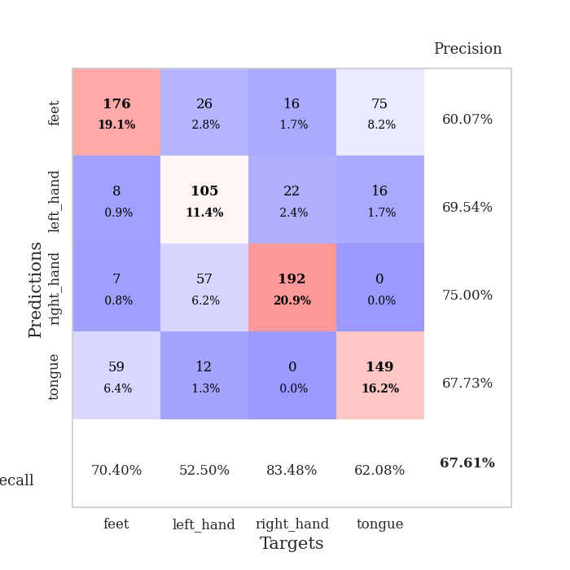
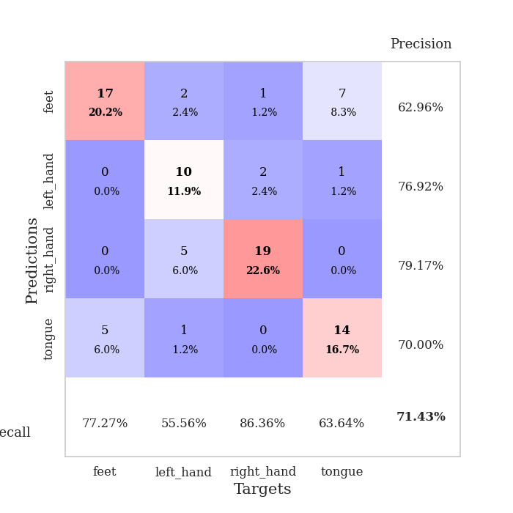
best_val_acc | best_val_los | best_test_acc
0.67391304348 | 0.92083056854 | 0.62931034483
0.65217391304 | 1.0141161525 | 0.68965517241
0.64130434783 | 1.0344674574 | 0.65517241379
0.6847826087 | 0.87934420938 | 0.64655172414
0.70652173913 | 1.0298753407 | 0.68103448276
0.6847826087 | 0.92906808076 | 0.68103448276
0.65217391304 | 0.9985263244 | 0.55172413793
0.6847826087 | 0.96097548112 | 0.68103448276
0.67391304348 | 1.0238785821 | 0.66379310345
0.70652173913 | 0.88484400252 | 0.6724137931

Mean,std Val accuracy is 0.6760869565217391 , 0.022216970603994062 and mean, std test accuracy is 0.6551724137931034 , 0.04084100690675832

Sheet1
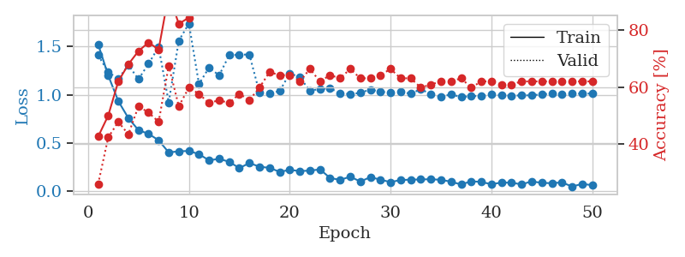
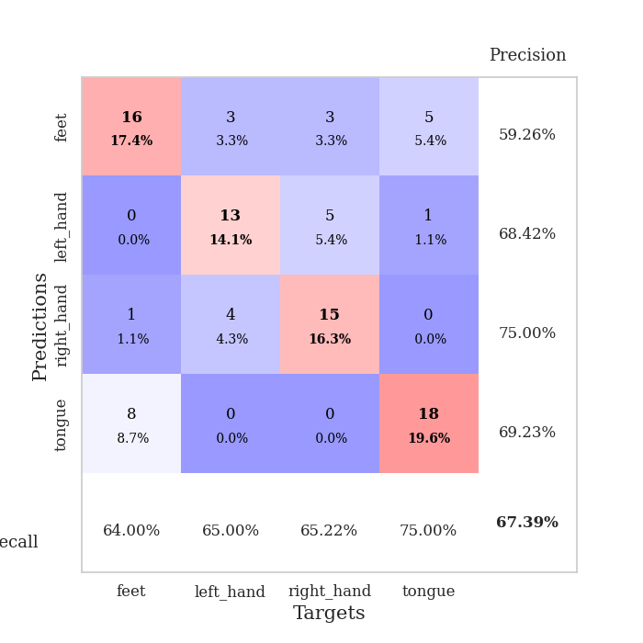
train_loss | valid_loss | train_accuracy | valid_accuracy | dur | train_misclass | valid_misclass
1.5227768369 | 1.4084316596 | 0.42663043478 | 0.26086956522 | 1.6435594559 | 42.663043478 | 26.086956522
1.1997209062 | 1.2356831768 | 0.5 | 0.42391304348 | 0.083574533463 | 50 | 42.391304348
0.93422421165 | 1.1647644665 | 0.61956521739 | 0.47826086957 | 0.079334020615 | 61.956521739 | 47.826086957
0.75838650828 | 1.3061830246 | 0.67934782609 | 0.4347826087 | 0.078266620636 | 67.934782609 | 43.47826087
0.63394574367 | 1.1604915054 | 0.72554347826 | 0.53260869565 | 0.077721595764 | 72.554347826 | 53.260869565
0.59572814599 | 1.3206587382 | 0.75543478261 | 0.51086956522 | 0.077659606934 | 75.543478261 | 51.086956522
0.52929953777 | 1.4936148058 | 0.73097826087 | 0.47826086957 | 0.077263355255 | 73.097826087 | 47.826086957
0.40335209279 | 0.92083056854 | 0.92391304348 | 0.67391304348 | 0.077800273895 | 92.391304348 | 67.391304348
0.41503174214 | 1.5583555621 | 0.82065217391 | 0.53260869565 | 0.077855587006 | 82.065217391 | 53.260869565
0.41896562667 | 1.7359233395 | 0.84239130435 | 0.59782608696 | 0.07745552063 | 84.239130435 | 59.782608696
0.38537347965 | 1.1099824258 | 0.97010869565 | 0.57608695652 | 0.077474117279 | 97.010869565 | 57.608695652
0.3217785948 | 1.2809253724 | 0.95108695652 | 0.54347826087 | 0.077538967133 | 95.108695652 | 54.347826087
0.33725336712 | 1.2002470312 | 0.95923913043 | 0.55434782609 | 0.077479362488 | 95.923913043 | 55.434782609
0.30671495296 | 1.4092321448 | 0.96195652174 | 0.54347826087 | 0.077542543411 | 96.195652174 | 54.347826087
0.24109362033 | 1.4132541289 | 0.91032608696 | 0.57608695652 | 0.077638149261 | 91.032608696 | 57.608695652
0.29402147752 | 1.4167305568 | 0.97826086957 | 0.55434782609 | 0.077522993088 | 97.826086957 | 55.434782609
0.25570797013 | 1.0209539675 | 0.99184782609 | 0.59782608696 | 0.077680826187 | 99.184782609 | 59.782608696
0.24399586313 | 1.016780554 | 0.98641304348 | 0.65217391304 | 0.0776014328 | 98.641304348 | 65.217391304
0.20281054047 | 1.0368087823 | 0.99456521739 | 0.64130434783 | 0.077546834946 | 99.456521739 | 64.130434783
0.22254158589 | 1.221349678 | 0.97826086957 | 0.64130434783 | 0.077499866486 | 97.826086957 | 64.130434783
0.21103354924 | 1.1820076225 | 1 | 0.61956521739 | 0.077642440796 | 100 | 61.956521739
0.21521579239 | 1.0399131464 | 0.99184782609 | 0.66304347826 | 0.077614068985 | 99.184782609 | 66.304347826
0.22801417955 | 1.0610331517 | 0.9972826087 | 0.61956521739 | 0.077672243118 | 99.72826087 | 61.956521739
0.13990161325 | 1.065476516 | 0.99456521739 | 0.64130434783 | 0.077644824982 | 99.456521739 | 64.130434783
0.11897885338 | 1.0169541136 | 1 | 0.63043478261 | 0.077462911606 | 100 | 63.043478261
0.15303472705 | 1.0050889636 | 1 | 0.66304347826 | 0.077637195587 | 100 | 66.304347826
0.1025471789 | 1.0202303179 | 0.9972826087 | 0.63043478261 | 0.077451705933 | 99.72826087 | 63.043478261
0.14774135111 | 1.0538917599 | 1 | 0.63043478261 | 0.077831983566 | 100 | 63.043478261
0.12161158382 | 1.0318984921 | 1 | 0.64130434783 | 0.077866315842 | 100 | 64.130434783
0.096264780621 | 1.0216851157 | 1 | 0.66304347826 | 0.077649593353 | 100 | 66.304347826
0.11863888573 | 1.0280271276 | 1 | 0.63043478261 | 0.07759976387 | 100 | 63.043478261
0.12163267017 | 1.0115376866 | 1 | 0.63043478261 | 0.077584981918 | 100 | 63.043478261
0.12412183631 | 1.0570796113 | 0.9972826087 | 0.59782608696 | 0.077627658844 | 99.72826087 | 59.782608696
0.12643558953 | 1.006322645 | 1 | 0.60869565217 | 0.077695131302 | 100 | 60.869565217
0.12025133488 | 0.97785590978 | 1 | 0.61956521739 | 0.077607631683 | 100 | 61.956521739
0.10093038408 | 1.0043166889 | 1 | 0.61956521739 | 0.077706336975 | 100 | 61.956521739
0.071603491659 | 0.97576704621 | 1 | 0.63043478261 | 0.077581644058 | 100 | 63.043478261
0.10543102852 | 0.98507631862 | 1 | 0.59782608696 | 0.077622652054 | 100 | 59.782608696
0.098332204613 | 0.988270297 | 1 | 0.61956521739 | 0.077651262283 | 100 | 61.956521739
0.074385187548 | 1.0014459335 | 1 | 0.61956521739 | 0.077726840973 | 100 | 61.956521739
0.09213381706 | 0.99596168684 | 1 | 0.60869565217 | 0.077630281448 | 100 | 60.869565217
0.090018002316 | 0.98992075544 | 1 | 0.60869565217 | 0.077590942383 | 100 | 60.869565217
0.073428651257 | 0.99341276936 | 1 | 0.61956521739 | 0.077646970749 | 100 | 61.956521739
0.10410946794 | 0.9941633862 | 1 | 0.61956521739 | 0.077455282211 | 100 | 61.956521739
0.088349665353 | 1.0044388538 | 1 | 0.61956521739 | 0.077629804611 | 100 | 61.956521739
0.085750296186 | 1.0111892664 | 1 | 0.61956521739 | 0.077398538589 | 100 | 61.956521739
0.093308365296 | 1.0095913896 | 1 | 0.61956521739 | 0.07880115509 | 100 | 61.956521739
0.050762379906 | 1.0105040948 | 1 | 0.61956521739 | 0.077572345734 | 100 | 61.956521739
0.077921975364 | 1.0115075371 | 1 | 0.61956521739 | 0.077570438385 | 100 | 61.956521739
0.064866308204 | 1.0124019857 | 1 | 0.61956521739 | 0.077824115753 | 100 | 61.956521739

Best Val accuracy is 0.6739130434782609 and Best test accuracy is 0.6293103448275862

Sheet2
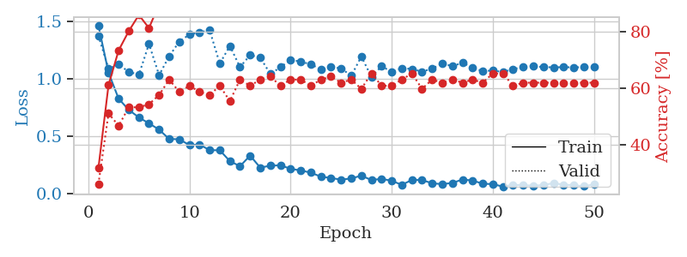
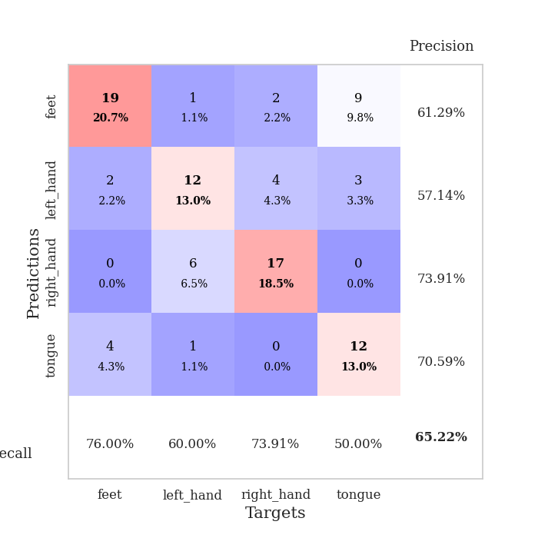
train_loss | valid_loss | train_accuracy | valid_accuracy | dur | train_misclass | valid_misclass
1.4608710486 | 1.3720863798 | 0.31793478261 | 0.26086956522 | 0.077918767929 | 31.793478261 | 26.086956522
1.0507263412 | 1.0856630906 | 0.61141304348 | 0.51086956522 | 0.077410697937 | 61.141304348 | 51.086956522
0.82377081591 | 1.1208237798 | 0.73369565217 | 0.46739130435 | 0.077436923981 | 73.369565217 | 46.739130435
0.72793462095 | 1.0588341744 | 0.80163043478 | 0.53260869565 | 0.077200889587 | 80.163043478 | 53.260869565
0.66093434976 | 1.0324258286 | 0.85869565217 | 0.53260869565 | 0.077461242676 | 85.869565217 | 53.260869565
0.609850176 | 1.3004053572 | 0.8125 | 0.54347826087 | 0.077264070511 | 81.25 | 54.347826087
0.55522138658 | 1.0290224319 | 0.89673913043 | 0.57608695652 | 0.077584505081 | 89.673913043 | 57.608695652
0.47369271906 | 1.1940149432 | 0.88586956522 | 0.63043478261 | 0.07741522789 | 88.586956522 | 63.043478261
0.47172966859 | 1.3209810957 | 0.90217391304 | 0.58695652174 | 0.077314138412 | 90.217391304 | 58.695652174
0.42038752398 | 1.3824223176 | 0.91847826087 | 0.60869565217 | 0.077529430389 | 91.847826087 | 60.869565217
0.4262227267 | 1.4014019597 | 0.92119565217 | 0.58695652174 | 0.077547073364 | 92.119565217 | 58.695652174
0.37621149583 | 1.4197444605 | 0.93206521739 | 0.57608695652 | 0.077347040176 | 93.206521739 | 57.608695652
0.37591941396 | 1.1299599863 | 0.98097826087 | 0.60869565217 | 0.077361345291 | 98.097826087 | 60.869565217
0.28100148686 | 1.2831925426 | 0.96467391304 | 0.55434782609 | 0.07731294632 | 96.467391304 | 55.434782609
0.23688863121 | 1.0992941157 | 0.98913043478 | 0.63043478261 | 0.077424764633 | 98.913043478 | 63.043478261
0.32942833986 | 1.203290285 | 0.98097826087 | 0.60869565217 | 0.077250242233 | 98.097826087 | 60.869565217
0.22503225959 | 1.1828725992 | 0.9972826087 | 0.63043478261 | 0.07732796669 | 99.72826087 | 63.043478261
0.24140104554 | 1.0387056807 | 0.97554347826 | 0.64130434783 | 0.077463388443 | 97.554347826 | 64.130434783
0.24507977311 | 1.0982647201 | 1 | 0.60869565217 | 0.077337741852 | 100 | 60.869565217
0.21455225008 | 1.1603860091 | 0.98369565217 | 0.63043478261 | 0.077381372452 | 98.369565217 | 63.043478261
0.2000660676 | 1.1480154972 | 0.98913043478 | 0.63043478261 | 0.077306747437 | 98.913043478 | 63.043478261
0.18143737543 | 1.1222752015 | 0.9972826087 | 0.60869565217 | 0.07737159729 | 99.72826087 | 60.869565217
0.14581012402 | 1.0815315331 | 1 | 0.63043478261 | 0.077330827713 | 100 | 63.043478261
0.13451683367 | 1.0997304275 | 1 | 0.64130434783 | 0.0773665905 | 100 | 64.130434783
0.12007222519 | 1.0882053123 | 1 | 0.61956521739 | 0.07725071907 | 100 | 61.956521739
0.13051399637 | 1.0234454358 | 1 | 0.63043478261 | 0.07723402977 | 100 | 63.043478261
0.15494811673 | 1.1909496538 | 1 | 0.59782608696 | 0.077351808548 | 100 | 59.782608696
0.1164208717 | 1.0141161525 | 1 | 0.65217391304 | 0.077388048172 | 100 | 65.217391304
0.12762254201 | 1.1070585646 | 1 | 0.60869565217 | 0.077383518219 | 100 | 60.869565217
0.10995955952 | 1.0572061435 | 1 | 0.60869565217 | 0.077469587326 | 100 | 60.869565217
0.075324752854 | 1.0900795981 | 1 | 0.63043478261 | 0.078418016434 | 100 | 63.043478261
0.11758029526 | 1.0827519498 | 1 | 0.65217391304 | 0.081243515015 | 100 | 65.217391304
0.11686090433 | 1.0597252859 | 1 | 0.59782608696 | 0.077821016312 | 100 | 59.782608696
0.088522629003 | 1.0853241462 | 1 | 0.63043478261 | 0.077718257904 | 100 | 63.043478261
0.081178648316 | 1.1314563531 | 1 | 0.61956521739 | 0.078436613083 | 100 | 61.956521739
0.091704289024 | 1.1067736712 | 1 | 0.63043478261 | 0.077970743179 | 100 | 63.043478261
0.12120376908 | 1.1368209784 | 1 | 0.61956521739 | 0.078193664551 | 100 | 61.956521739
0.11259719187 | 1.0959035858 | 1 | 0.63043478261 | 0.077915668488 | 100 | 63.043478261
0.084729906981 | 1.0626138935 | 1 | 0.61956521739 | 0.078106641769 | 100 | 61.956521739
0.081499724689 | 1.0706147765 | 1 | 0.65217391304 | 0.078053951263 | 100 | 65.217391304
0.059457043186 | 1.0555927131 | 1 | 0.65217391304 | 0.078160047531 | 100 | 65.217391304
0.074897287252 | 1.0817356647 | 1 | 0.60869565217 | 0.077803373337 | 100 | 60.869565217
0.071834690504 | 1.0999379657 | 1 | 0.61956521739 | 0.078193187714 | 100 | 61.956521739
0.06767509906 | 1.1076184194 | 1 | 0.61956521739 | 0.07804775238 | 100 | 61.956521739
0.072802746426 | 1.099039979 | 1 | 0.61956521739 | 0.077877759933 | 100 | 61.956521739
0.090561079347 | 1.0972232087 | 1 | 0.61956521739 | 0.077620506287 | 100 | 61.956521739
0.075780769162 | 1.0984078127 | 1 | 0.61956521739 | 0.077760457993 | 100 | 61.956521739
0.072137778463 | 1.0970540559 | 1 | 0.61956521739 | 0.078080892563 | 100 | 61.956521739
0.062600789997 | 1.0982906773 | 1 | 0.61956521739 | 0.077997207642 | 100 | 61.956521739
0.078776006222 | 1.0988791177 | 1 | 0.61956521739 | 0.077744960785 | 100 | 61.956521739

Best Val accuracy is 0.6521739130434783 and Best test accuracy is 0.6896551724137931

Sheet3
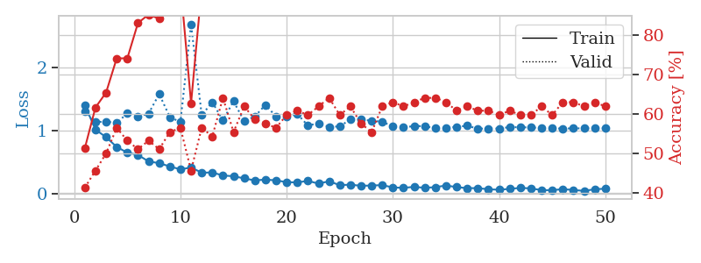
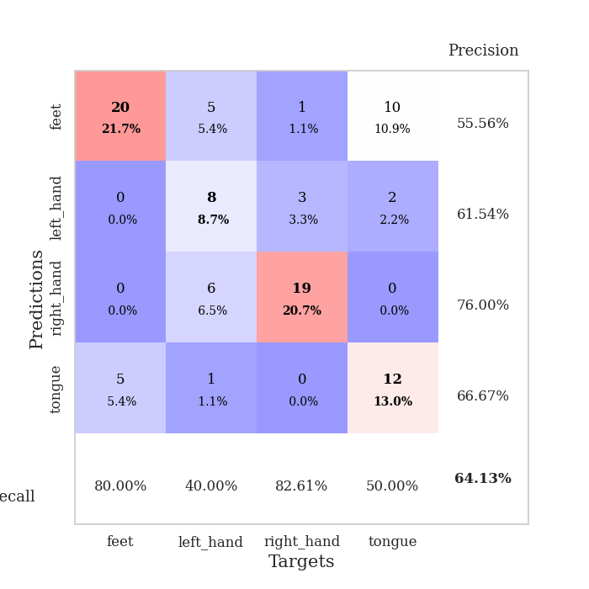
train_loss | valid_loss | train_accuracy | valid_accuracy | dur | train_misclass | valid_misclass
1.409766617 | 1.3154977042 | 0.51358695652 | 0.41304347826 | 0.078800916672 | 51.358695652 | 41.304347826
1.0200431191 | 1.142383661 | 0.61684782609 | 0.45652173913 | 0.078007698059 | 61.684782609 | 45.652173913
0.90025348508 | 1.1455473563 | 0.65489130435 | 0.5 | 0.07769203186 | 65.489130435 | 50
0.74495794203 | 1.1300984517 | 0.74184782609 | 0.5652173913 | 0.077974796295 | 74.184782609 | 56.52173913
0.65449990656 | 1.2757019193 | 0.74184782609 | 0.53260869565 | 0.077951908112 | 74.184782609 | 53.260869565
0.61812922618 | 1.2203102047 | 0.83152173913 | 0.51086956522 | 0.077980279922 | 83.152173913 | 51.086956522
0.51482062754 | 1.2745962571 | 0.85326086957 | 0.53260869565 | 0.078058004379 | 85.326086957 | 53.260869565
0.48722926301 | 1.58509808 | 0.84239130435 | 0.51086956522 | 0.078056097031 | 84.239130435 | 51.086956522
0.43507821793 | 1.2197546998 | 0.91576086957 | 0.55434782609 | 0.078741550446 | 91.576086957 | 55.434782609
0.38865461686 | 1.1404486739 | 0.93206521739 | 0.5652173913 | 0.078276157379 | 93.206521739 | 56.52173913
0.41881210972 | 2.6956733673 | 0.6277173913 | 0.45652173913 | 0.07817029953 | 62.77173913 | 45.652173913
0.33648227544 | 1.2499899113 | 0.92119565217 | 0.5652173913 | 0.078077316284 | 92.119565217 | 56.52173913
0.33927557326 | 1.4546358404 | 0.90217391304 | 0.54347826087 | 0.078184366226 | 90.217391304 | 54.347826087
0.29118181182 | 1.167534008 | 0.98913043478 | 0.64130434783 | 0.078146219254 | 98.913043478 | 64.130434783
0.28000408346 | 1.4711118166 | 0.95108695652 | 0.55434782609 | 0.078224897385 | 95.108695652 | 55.434782609
0.24530261674 | 1.1541149085 | 0.97554347826 | 0.61956521739 | 0.077904224396 | 97.554347826 | 61.956521739
0.21355832271 | 1.2276084358 | 0.98097826087 | 0.58695652174 | 0.078707933426 | 98.097826087 | 58.695652174
0.22641253374 | 1.4138587234 | 0.96739130435 | 0.57608695652 | 0.07821559906 | 96.739130435 | 57.608695652
0.2139234355 | 1.2281024015 | 1 | 0.5652173913 | 0.078693151474 | 100 | 56.52173913
0.18565427998 | 1.2317726599 | 0.98369565217 | 0.59782608696 | 0.078144073486 | 98.369565217 | 59.782608696
0.18163472608 | 1.2681847759 | 0.98097826087 | 0.60869565217 | 0.078158140182 | 98.097826087 | 60.869565217
0.2054306212 | 1.0851931831 | 1 | 0.59782608696 | 0.078191757202 | 100 | 59.782608696
0.16288392821 | 1.1197681207 | 1 | 0.61956521739 | 0.078085899353 | 100 | 61.956521739
0.19966627414 | 1.0625581638 | 1 | 0.64130434783 | 0.078234910965 | 100 | 64.130434783
0.13727136653 | 1.0714381622 | 1 | 0.59782608696 | 0.078199863434 | 100 | 59.782608696
0.14640515678 | 1.1822225698 | 1 | 0.61956521739 | 0.078178405762 | 100 | 61.956521739
0.12738141539 | 1.1822232695 | 1 | 0.57608695652 | 0.078157663345 | 100 | 57.608695652
0.13248366701 | 1.1596528305 | 1 | 0.55434782609 | 0.07816028595 | 100 | 55.434782609
0.13821439652 | 1.1458531203 | 1 | 0.61956521739 | 0.078158140182 | 100 | 61.956521739
0.10215890974 | 1.068630076 | 1 | 0.63043478261 | 0.078199625015 | 100 | 63.043478261
0.0954276708 | 1.053220447 | 1 | 0.61956521739 | 0.078199863434 | 100 | 61.956521739
0.11063905607 | 1.0776723986 | 1 | 0.63043478261 | 0.078233242035 | 100 | 63.043478261
0.095904994432 | 1.0744576888 | 1 | 0.64130434783 | 0.078320026398 | 100 | 64.130434783
0.10585256212 | 1.0420369564 | 1 | 0.64130434783 | 0.078228473663 | 100 | 64.130434783
0.13237082489 | 1.0441946867 | 1 | 0.63043478261 | 0.078166007996 | 100 | 63.043478261
0.10702161007 | 1.0644719095 | 1 | 0.60869565217 | 0.078157901764 | 100 | 60.869565217
0.089993960467 | 1.0813488403 | 1 | 0.61956521739 | 0.078337669373 | 100 | 61.956521739
0.09080245362 | 1.0344674574 | 1 | 0.60869565217 | 0.078301429749 | 100 | 60.869565217
0.071917868908 | 1.0385098691 | 1 | 0.60869565217 | 0.078226804733 | 100 | 60.869565217
0.065675998147 | 1.0365907666 | 1 | 0.59782608696 | 0.078368902206 | 100 | 59.782608696
0.078370139084 | 1.0605055159 | 1 | 0.60869565217 | 0.078211069107 | 100 | 60.869565217
0.094798831249 | 1.0563837393 | 1 | 0.59782608696 | 0.078185081482 | 100 | 59.782608696
0.086120147946 | 1.055173559 | 1 | 0.59782608696 | 0.078215122223 | 100 | 59.782608696
0.05896060764 | 1.0443074509 | 1 | 0.61956521739 | 0.078231334686 | 100 | 61.956521739
0.057969854396 | 1.0395562351 | 1 | 0.59782608696 | 0.078535556793 | 100 | 59.782608696
0.074772912523 | 1.0373130078 | 1 | 0.63043478261 | 0.07829451561 | 100 | 63.043478261
0.061436979019 | 1.0396826125 | 1 | 0.63043478261 | 0.078198194504 | 100 | 63.043478261
0.046856595932 | 1.0404381635 | 1 | 0.61956521739 | 0.078225135803 | 100 | 61.956521739
0.072744255845 | 1.0402823479 | 1 | 0.63043478261 | 0.078148603439 | 100 | 63.043478261
0.081467593494 | 1.0409265834 | 1 | 0.61956521739 | 0.078193426132 | 100 | 61.956521739

Best Val accuracy is 0.6413043478260869 and Best test accuracy is 0.6551724137931034

Sheet4
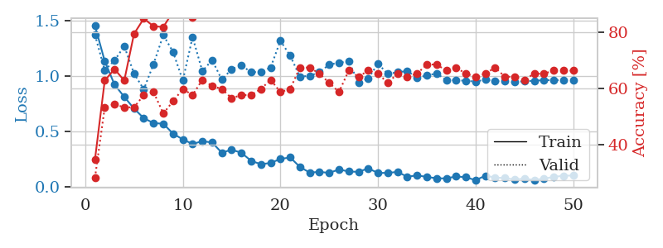
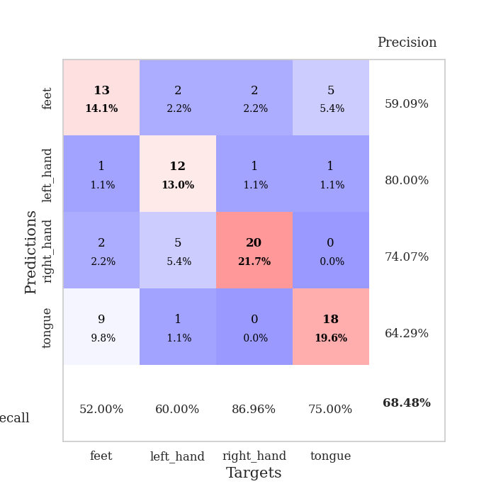
train_loss | valid_loss | train_accuracy | valid_accuracy | dur | train_misclass | valid_misclass
1.4522316715 | 1.368574158 | 0.34782608696 | 0.28260869565 | 0.078715801239 | 34.782608696 | 28.260869565
1.133276942 | 1.0517553894 | 0.6277173913 | 0.53260869565 | 0.077926874161 | 62.77173913 | 53.260869565
0.92292801453 | 1.1392544534 | 0.66847826087 | 0.54347826087 | 0.077689170837 | 66.847826087 | 54.347826087
0.81212114122 | 1.2671782167 | 0.6277173913 | 0.53260869565 | 0.078562259674 | 62.77173913 | 53.260869565
0.70693786118 | 1.0223936192 | 0.79347826087 | 0.53260869565 | 0.077708005905 | 79.347826087 | 53.260869565
0.62053600472 | 0.87934420938 | 0.84782608696 | 0.57608695652 | 0.078203201294 | 84.782608696 | 57.608695652
0.5764381134 | 1.1061769232 | 0.82065217391 | 0.58695652174 | 0.078078269958 | 82.065217391 | 58.695652174
0.57019936391 | 1.3675868615 | 0.81793478261 | 0.51086956522 | 0.077866315842 | 81.793478261 | 51.086956522
0.48164231233 | 1.2163383339 | 0.8722826087 | 0.55434782609 | 0.077839136124 | 87.22826087 | 55.434782609
0.42937156688 | 0.95832934587 | 0.9402173913 | 0.59782608696 | 0.078574180603 | 94.02173913 | 59.782608696
0.38903234186 | 1.3499184951 | 0.85326086957 | 0.57608695652 | 0.078190326691 | 85.326086957 | 57.608695652
0.41325731575 | 1.0430195098 | 0.92934782609 | 0.63043478261 | 0.077811479568 | 92.934782609 | 63.043478261
0.40202872779 | 1.1430930469 | 0.94565217391 | 0.60869565217 | 0.078382730484 | 94.565217391 | 60.869565217
0.30965004375 | 0.96641936639 | 0.97826086957 | 0.59782608696 | 0.0782995224 | 97.826086957 | 59.782608696
0.33746794968 | 1.0621636743 | 0.94836956522 | 0.5652173913 | 0.07822227478 | 94.836956522 | 56.52173913
0.30892144856 | 1.0934521685 | 0.98913043478 | 0.57608695652 | 0.077998876572 | 98.913043478 | 57.608695652
0.23699593382 | 1.035373264 | 0.97010869565 | 0.57608695652 | 0.077797889709 | 97.010869565 | 57.608695652
0.20620041859 | 1.034419017 | 0.98641304348 | 0.59782608696 | 0.077872276306 | 98.641304348 | 59.782608696
0.21784795756 | 1.0765981752 | 0.98641304348 | 0.63043478261 | 0.077828407288 | 98.641304348 | 63.043478261
0.25391981718 | 1.3168932536 | 0.92391304348 | 0.58695652174 | 0.077793359756 | 92.391304348 | 58.695652174
0.26721073331 | 1.1821403063 | 0.98369565217 | 0.59782608696 | 0.077742099762 | 98.369565217 | 59.782608696
0.1818298542 | 0.9933317822 | 0.99456521739 | 0.67391304348 | 0.077887773514 | 99.456521739 | 67.391304348
0.13109377448 | 1.0015585954 | 1 | 0.67391304348 | 0.077997922897 | 100 | 67.391304348
0.1376848859 | 1.0335533502 | 0.98913043478 | 0.65217391304 | 0.077738761902 | 98.913043478 | 65.217391304
0.12818578614 | 1.1019965773 | 0.9972826087 | 0.61956521739 | 0.078279018402 | 99.72826087 | 61.956521739
0.15942178059 | 1.1194892733 | 0.99184782609 | 0.58695652174 | 0.078190565109 | 99.184782609 | 58.695652174
0.14077045752 | 1.1298980324 | 0.98913043478 | 0.66304347826 | 0.07771730423 | 98.913043478 | 66.304347826
0.13776509691 | 0.94074091445 | 1 | 0.64130434783 | 0.077850580215 | 100 | 64.130434783
0.16904750385 | 0.97811473582 | 1 | 0.66304347826 | 0.07760643959 | 100 | 66.304347826
0.12753355309 | 1.1107551352 | 1 | 0.65217391304 | 0.077807426453 | 100 | 65.217391304
0.12871470999 | 1.0178223589 | 1 | 0.61956521739 | 0.077958345413 | 100 | 61.956521739
0.13710142324 | 1.0338685668 | 1 | 0.65217391304 | 0.077862501144 | 100 | 65.217391304
0.093628972283 | 1.0444313962 | 1 | 0.64130434783 | 0.077608108521 | 100 | 64.130434783
0.10621152332 | 0.98563516917 | 1 | 0.65217391304 | 0.077802419662 | 100 | 65.217391304
0.091992229628 | 1.0037828127 | 1 | 0.6847826087 | 0.07778429985 | 100 | 68.47826087
0.080048488129 | 1.0232827741 | 1 | 0.6847826087 | 0.078062057495 | 100 | 68.47826087
0.078475561722 | 0.96195974428 | 1 | 0.66304347826 | 0.077806949615 | 100 | 66.304347826
0.096869476302 | 0.96205448845 | 1 | 0.67391304348 | 0.078210830688 | 100 | 67.391304348
0.088869312616 | 0.95658226117 | 1 | 0.65217391304 | 0.078030586243 | 100 | 65.217391304
0.063153871457 | 0.94979172686 | 1 | 0.64130434783 | 0.076806545258 | 100 | 64.130434783
0.10286768882 | 0.96691188475 | 1 | 0.65217391304 | 0.077355861664 | 100 | 65.217391304
0.086952529605 | 0.95271583225 | 1 | 0.67391304348 | 0.077468633652 | 100 | 67.391304348
0.081624634159 | 0.95281904547 | 1 | 0.64130434783 | 0.077570915222 | 100 | 64.130434783
0.069047748881 | 0.94465960627 | 1 | 0.64130434783 | 0.077517747879 | 100 | 64.130434783
0.076444216356 | 0.9528324306 | 1 | 0.63043478261 | 0.077748298645 | 100 | 63.043478261
0.065100227118 | 0.9572598999 | 1 | 0.65217391304 | 0.077506065369 | 100 | 65.217391304
0.07678470056 | 0.9621705076 | 1 | 0.65217391304 | 0.077644824982 | 100 | 65.217391304
0.091833065061 | 0.96175852548 | 1 | 0.66304347826 | 0.077509641647 | 100 | 66.304347826
0.10313207535 | 0.96225577463 | 1 | 0.66304347826 | 0.07746720314 | 100 | 66.304347826
0.10410853216 | 0.96279239784 | 1 | 0.66304347826 | 0.077881097794 | 100 | 66.304347826

Best Val accuracy is 0.6847826086956522 and Best test accuracy is 0.646551724137931

Sheet5
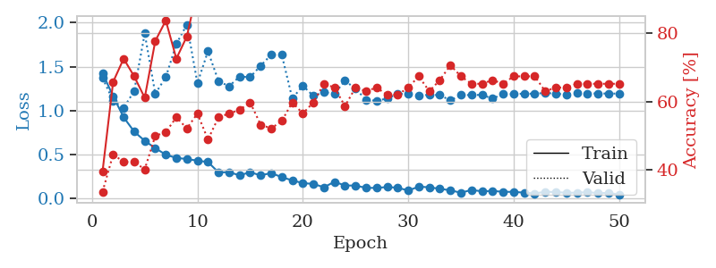
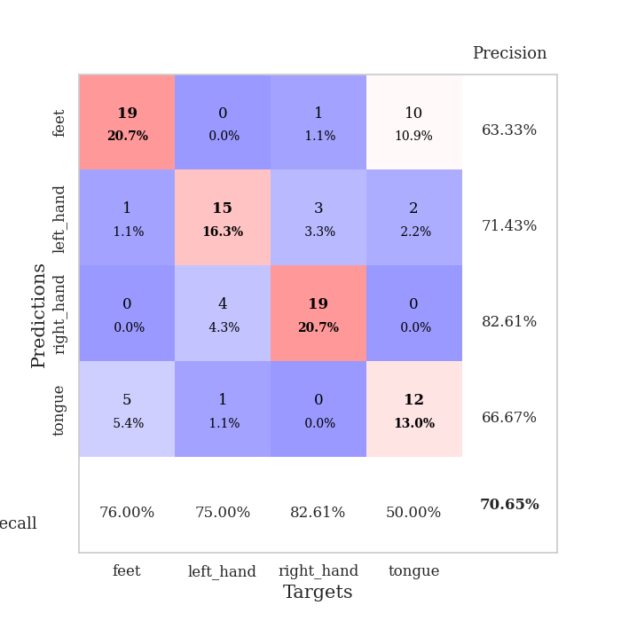
train_loss | valid_loss | train_accuracy | valid_accuracy | dur | train_misclass | valid_misclass
1.4246919622 | 1.3692462392 | 0.39673913043 | 0.33695652174 | 0.078154325485 | 39.673913043 | 33.695652174
1.163346288 | 1.1139251253 | 0.65760869565 | 0.44565217391 | 0.077120065689 | 65.760869565 | 44.565217391
0.9236343503 | 1.0298753407 | 0.72554347826 | 0.42391304348 | 0.07680606842 | 72.554347826 | 42.391304348
0.76142856867 | 1.2225638032 | 0.67391304348 | 0.42391304348 | 0.076913833618 | 67.391304348 | 42.391304348
0.65647801498 | 1.8760193509 | 0.61141304348 | 0.40217391304 | 0.077264785767 | 61.141304348 | 40.217391304
0.57367571217 | 1.1911125196 | 0.77717391304 | 0.5 | 0.077162504196 | 77.717391304 | 50
0.49841278338 | 1.3798791403 | 0.83695652174 | 0.51086956522 | 0.077547073364 | 83.695652174 | 51.086956522
0.46190975153 | 1.7571834974 | 0.72554347826 | 0.55434782609 | 0.077358484268 | 72.554347826 | 55.434782609
0.44994520104 | 1.9772276645 | 0.79076086957 | 0.52173913043 | 0.077358484268 | 79.076086957 | 52.173913043
0.43109698756 | 1.3113054685 | 0.92934782609 | 0.5652173913 | 0.077118396759 | 92.934782609 | 56.52173913
0.41559514792 | 1.6749263484 | 0.86684782609 | 0.48913043478 | 0.077301740646 | 86.684782609 | 48.913043478
0.29812279991 | 1.3340374426 | 0.95923913043 | 0.55434782609 | 0.077358961105 | 95.923913043 | 55.434782609
0.2999798202 | 1.2766388266 | 0.96195652174 | 0.5652173913 | 0.077878952026 | 96.195652174 | 56.52173913
0.26438941094 | 1.3864396888 | 0.92391304348 | 0.57608695652 | 0.081196308136 | 92.391304348 | 57.608695652
0.29972206769 | 1.379509896 | 0.92663043478 | 0.59782608696 | 0.078241825104 | 92.663043478 | 59.782608696
0.26365973217 | 1.5103613501 | 0.95652173913 | 0.53260869565 | 0.078584432602 | 95.652173913 | 53.260869565
0.29083433229 | 1.6346647778 | 0.91576086957 | 0.52173913043 | 0.07817196846 | 91.576086957 | 52.173913043
0.2432312311 | 1.6355284919 | 0.8722826087 | 0.54347826087 | 0.078520774841 | 87.22826087 | 54.347826087
0.20729736595 | 1.1368288955 | 0.98913043478 | 0.59782608696 | 0.080605506897 | 98.913043478 | 59.782608696
0.1758069626 | 1.283435048 | 0.99456521739 | 0.5652173913 | 0.079887866974 | 99.456521739 | 56.52173913
0.16690199174 | 1.1654413757 | 0.9972826087 | 0.59782608696 | 0.078872203827 | 99.72826087 | 59.782608696
0.12887987867 | 1.2091645449 | 0.98097826087 | 0.65217391304 | 0.078707933426 | 98.097826087 | 65.217391304
0.19049594649 | 1.1900105878 | 0.99456521739 | 0.64130434783 | 0.078713655472 | 99.456521739 | 64.130434783
0.149057261 | 1.3388791564 | 0.99456521739 | 0.58695652174 | 0.078441143036 | 99.456521739 | 58.695652174
0.14810821033 | 1.2490084165 | 1 | 0.64130434783 | 0.078468322754 | 100 | 64.130434783
0.12191596141 | 1.122156059 | 1 | 0.63043478261 | 0.078742742538 | 100 | 63.043478261
0.12158715603 | 1.1114560819 | 1 | 0.64130434783 | 0.078723669052 | 100 | 64.130434783
0.13131432081 | 1.1369758339 | 1 | 0.61956521739 | 0.078758001328 | 100 | 61.956521739
0.12396840946 | 1.1896496428 | 0.9972826087 | 0.61956521739 | 0.07869720459 | 99.72826087 | 61.956521739
0.091537944568 | 1.190739802 | 1 | 0.64130434783 | 0.078617334366 | 100 | 64.130434783
0.13581140145 | 1.1708583592 | 1 | 0.67391304348 | 0.078695058823 | 100 | 67.391304348
0.12825025877 | 1.1795956985 | 1 | 0.63043478261 | 0.078671455383 | 100 | 63.043478261
0.11140111905 | 1.1762052282 | 1 | 0.66304347826 | 0.078738689423 | 100 | 66.304347826
0.094293314437 | 1.1153398169 | 1 | 0.70652173913 | 0.090072393417 | 100 | 70.652173913
0.066257744542 | 1.1778005452 | 1 | 0.67391304348 | 0.083874464035 | 100 | 67.391304348
0.098933865276 | 1.1759543911 | 1 | 0.65217391304 | 0.092036962509 | 100 | 65.217391304
0.082158861277 | 1.1788124144 | 1 | 0.65217391304 | 0.098097085953 | 100 | 65.217391304
0.087368325209 | 1.1353863698 | 1 | 0.66304347826 | 0.083639621735 | 100 | 66.304347826
0.0771131869 | 1.1898562506 | 1 | 0.65217391304 | 0.083398103714 | 100 | 65.217391304
0.076617800874 | 1.1857470157 | 1 | 0.67391304348 | 0.083417415619 | 100 | 67.391304348
0.067419273698 | 1.1941618725 | 1 | 0.67391304348 | 0.08287191391 | 100 | 67.391304348
0.058225893982 | 1.1904073552 | 1 | 0.67391304348 | 0.0768430233 | 100 | 67.391304348
0.0773857638 | 1.2018382329 | 1 | 0.63043478261 | 0.076861143112 | 100 | 63.043478261
0.07424918546 | 1.1910713147 | 1 | 0.64130434783 | 0.080373048782 | 100 | 64.130434783
0.06659552127 | 1.1843317423 | 1 | 0.64130434783 | 0.076951742172 | 100 | 64.130434783
0.066630481945 | 1.1969633945 | 1 | 0.65217391304 | 0.076880455017 | 100 | 65.217391304
0.073669128201 | 1.1943212177 | 1 | 0.65217391304 | 0.077082157135 | 100 | 65.217391304
0.062088220218 | 1.1947564353 | 1 | 0.65217391304 | 0.077007293701 | 100 | 65.217391304
0.064423459623 | 1.1936285146 | 1 | 0.65217391304 | 0.077011823654 | 100 | 65.217391304
0.046378727921 | 1.1929955962 | 1 | 0.65217391304 | 0.077101945877 | 100 | 65.217391304

Best Val accuracy is 0.7065217391304348 and Best test accuracy is 0.6810344827586207

Sheet6
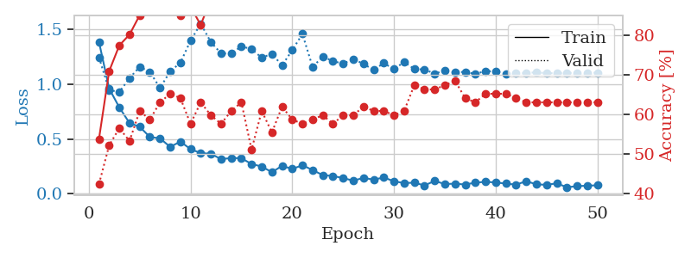
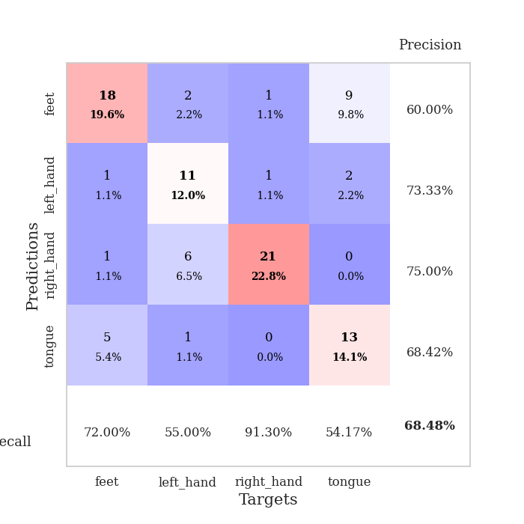
train_loss | valid_loss | train_accuracy | valid_accuracy | dur | train_misclass | valid_misclass
1.3856998112 | 1.2444369741 | 0.53804347826 | 0.42391304348 | 0.077638626099 | 53.804347826 | 42.391304348
0.95980063729 | 0.94593918842 | 0.70923913043 | 0.52173913043 | 0.077265262604 | 70.923913043 | 52.173913043
0.78762586091 | 0.92906808076 | 0.77445652174 | 0.5652173913 | 0.077280759811 | 77.445652174 | 56.52173913
0.64533253079 | 1.0538438818 | 0.80163043478 | 0.53260869565 | 0.081856012344 | 80.163043478 | 53.260869565
0.61081875018 | 1.1586683017 | 0.85054347826 | 0.60869565217 | 0.078321933746 | 85.054347826 | 60.869565217
0.51803137686 | 1.1116131998 | 0.88858695652 | 0.58695652174 | 0.07873415947 | 88.858695652 | 58.695652174
0.50471575493 | 0.96594214958 | 0.90217391304 | 0.63043478261 | 0.078206300735 | 90.217391304 | 63.043478261
0.42723341545 | 1.1167048747 | 0.92391304348 | 0.65217391304 | 0.078974246979 | 92.391304348 | 65.217391304
0.47579229526 | 1.1951996904 | 0.85054347826 | 0.64130434783 | 0.078485965729 | 85.054347826 | 64.130434783
0.40695434874 | 1.396607088 | 0.8722826087 | 0.57608695652 | 0.078212499619 | 87.22826087 | 57.608695652
0.37032531072 | 1.5525124799 | 0.82608695652 | 0.63043478261 | 0.078768014908 | 82.608695652 | 63.043478261
0.36457320465 | 1.3838184994 | 0.89130434783 | 0.59782608696 | 0.078648090363 | 89.130434783 | 59.782608696
0.3152151056 | 1.2814288476 | 0.92119565217 | 0.57608695652 | 0.07851433754 | 92.119565217 | 57.608695652
0.32562222753 | 1.2788975939 | 0.92119565217 | 0.60869565217 | 0.078389406204 | 92.119565217 | 60.869565217
0.32412119663 | 1.3458638088 | 0.92934782609 | 0.63043478261 | 0.078372240067 | 92.934782609 | 63.043478261
0.27039187531 | 1.3195152529 | 0.96195652174 | 0.51086956522 | 0.078178882599 | 96.195652174 | 51.086956522
0.24829324481 | 1.2418672831 | 0.97010869565 | 0.60869565217 | 0.078157424927 | 97.010869565 | 60.869565217
0.19572803022 | 1.2771394084 | 0.98913043478 | 0.55434782609 | 0.078231573105 | 98.913043478 | 55.434782609
0.25436743341 | 1.1714048917 | 0.98641304348 | 0.61956521739 | 0.078508853912 | 98.641304348 | 61.956521739
0.22562773461 | 1.3112245928 | 0.97010869565 | 0.58695652174 | 0.078351259232 | 97.010869565 | 58.695652174
0.26014765093 | 1.4584396378 | 0.94565217391 | 0.57608695652 | 0.078270196915 | 94.565217391 | 57.608695652
0.21588826001 | 1.1570980963 | 0.99184782609 | 0.58695652174 | 0.078408241272 | 99.184782609 | 58.695652174
0.16969138432 | 1.2517158447 | 0.98913043478 | 0.59782608696 | 0.078457117081 | 98.913043478 | 59.782608696
0.16176702082 | 1.2107274578 | 0.99456521739 | 0.57608695652 | 0.078357934952 | 99.456521739 | 57.608695652
0.14228626584 | 1.1867783601 | 0.9972826087 | 0.59782608696 | 0.078263998032 | 99.72826087 | 59.782608696
0.11923248872 | 1.2304022532 | 1 | 0.59782608696 | 0.07809138298 | 100 | 59.782608696
0.1439735802 | 1.1851815698 | 0.99456521739 | 0.61956521739 | 0.078193426132 | 99.456521739 | 61.956521739
0.12842437042 | 1.1303104175 | 0.9972826087 | 0.60869565217 | 0.078163146973 | 99.72826087 | 60.869565217
0.14769486111 | 1.1924072472 | 0.9972826087 | 0.60869565217 | 0.078545331955 | 99.72826087 | 60.869565217
0.11337354585 | 1.1363955231 | 0.99456521739 | 0.59782608696 | 0.078626155853 | 99.456521739 | 59.782608696
0.096733469516 | 1.2027869017 | 1 | 0.60869565217 | 0.078645467758 | 100 | 60.869565217
0.1006221406 | 1.1378680085 | 1 | 0.67391304348 | 0.07862830162 | 100 | 67.391304348
0.07494055743 | 1.1340254079 | 1 | 0.66304347826 | 0.078719615936 | 100 | 66.304347826
0.11657593934 | 1.096051474 | 1 | 0.66304347826 | 0.07871389389 | 100 | 66.304347826
0.087716301822 | 1.1245364897 | 1 | 0.67391304348 | 0.078217744827 | 100 | 67.391304348
0.091519456843 | 1.107612523 | 1 | 0.6847826087 | 0.078067779541 | 100 | 68.47826087
0.083510319743 | 1.1126484612 | 1 | 0.64130434783 | 0.078431606293 | 100 | 64.130434783
0.10068731828 | 1.0928503579 | 1 | 0.63043478261 | 0.077871799469 | 100 | 63.043478261
0.1084016866 | 1.1202987005 | 1 | 0.65217391304 | 0.078107833862 | 100 | 65.217391304
0.10258983898 | 1.1141969328 | 1 | 0.65217391304 | 0.078548669815 | 100 | 65.217391304
0.092167342649 | 1.0937145495 | 1 | 0.65217391304 | 0.078737258911 | 100 | 65.217391304
0.082428696808 | 1.0982254705 | 1 | 0.64130434783 | 0.078740596771 | 100 | 64.130434783
0.11380139455 | 1.1018840709 | 1 | 0.63043478261 | 0.082454681396 | 100 | 63.043478261
0.085412725482 | 1.108236353 | 1 | 0.63043478261 | 0.079339504242 | 100 | 63.043478261
0.080713447629 | 1.0999297707 | 1 | 0.63043478261 | 0.078445911407 | 100 | 63.043478261
0.094716716963 | 1.1006949661 | 1 | 0.63043478261 | 0.078688144684 | 100 | 63.043478261
0.058613703384 | 1.1026573453 | 1 | 0.63043478261 | 0.082589387894 | 100 | 63.043478261
0.068566930683 | 1.103211894 | 1 | 0.63043478261 | 0.077921628952 | 100 | 63.043478261
0.072932038335 | 1.1039074906 | 1 | 0.63043478261 | 0.077608346939 | 100 | 63.043478261
0.076494280451 | 1.1044612501 | 1 | 0.63043478261 | 0.077898740768 | 100 | 63.043478261

Best Val accuracy is 0.6847826086956522 and Best test accuracy is 0.6810344827586207

Sheet7
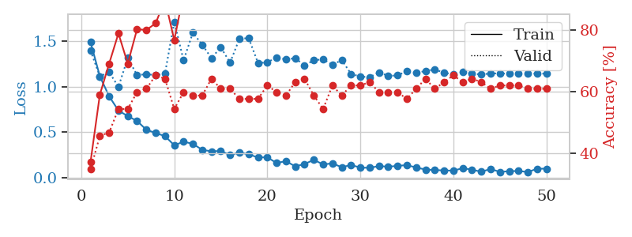
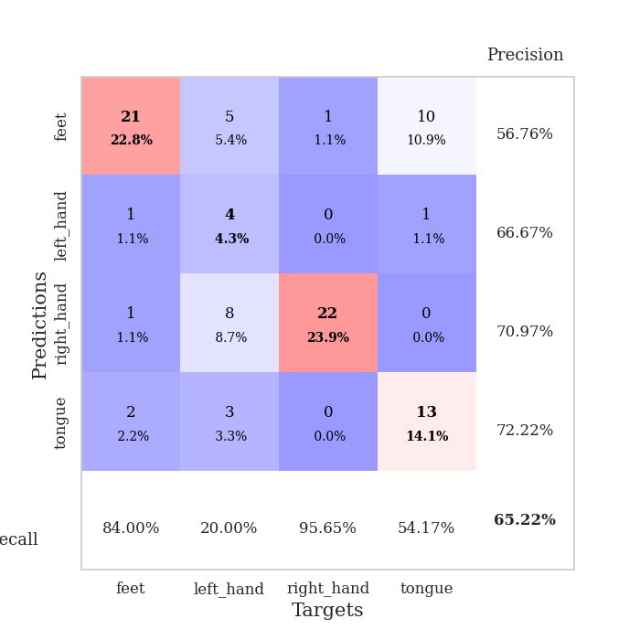
train_loss | valid_loss | train_accuracy | valid_accuracy | dur | train_misclass | valid_misclass
1.4924311275 | 1.3978017776 | 0.3722826087 | 0.34782608696 | 0.079181432724 | 37.22826087 | 34.782608696
1.1152967966 | 1.1141864502 | 0.58967391304 | 0.45652173913 | 0.080063581467 | 58.967391304 | 45.652173913
0.89477379167 | 1.1609097253 | 0.6902173913 | 0.46739130435 | 0.079970598221 | 69.02173913 | 46.739130435
0.73764846895 | 0.9985263244 | 0.78804347826 | 0.54347826087 | 0.078506469727 | 78.804347826 | 54.347826087
0.67622243581 | 1.3158513865 | 0.6902173913 | 0.54347826087 | 0.07869553566 | 69.02173913 | 54.347826087
0.62314855275 | 1.1282238338 | 0.80163043478 | 0.59782608696 | 0.078273773193 | 80.163043478 | 59.782608696
0.52613409447 | 1.1381076419 | 0.79891304348 | 0.60869565217 | 0.078665018082 | 79.891304348 | 60.869565217
0.49033691183 | 1.12798608 | 0.82065217391 | 0.65217391304 | 0.079053878784 | 82.065217391 | 65.217391304
0.45633597218 | 1.1426896323 | 0.89673913043 | 0.64130434783 | 0.078510761261 | 89.673913043 | 64.130434783
0.35514552179 | 1.7158409176 | 0.76630434783 | 0.54347826087 | 0.078571796417 | 76.630434783 | 54.347826087
0.39496228844 | 1.291058609 | 0.91576086957 | 0.59782608696 | 0.078382015228 | 91.576086957 | 59.782608696
0.37116989234 | 1.59555476 | 0.92391304348 | 0.58695652174 | 0.078460931778 | 92.391304348 | 58.695652174
0.30528398765 | 1.4628758081 | 0.95380434783 | 0.58695652174 | 0.078395366669 | 95.380434783 | 58.695652174
0.28871935088 | 1.3151047706 | 0.97554347826 | 0.64130434783 | 0.078454494476 | 97.554347826 | 64.130434783
0.29273091759 | 1.434239346 | 0.95652173913 | 0.60869565217 | 0.078433275223 | 95.652173913 | 60.869565217
0.24648750914 | 1.2651894093 | 0.98369565217 | 0.60869565217 | 0.078485250473 | 98.369565217 | 60.869565217
0.27654258 | 1.5281477571 | 0.97010869565 | 0.57608695652 | 0.078357934952 | 97.010869565 | 57.608695652
0.2544821423 | 1.5354806625 | 0.96195652174 | 0.57608695652 | 0.078502655029 | 96.195652174 | 57.608695652
0.22131499049 | 1.2617889591 | 0.99184782609 | 0.57608695652 | 0.078371047974 | 99.184782609 | 57.608695652
0.22328489225 | 1.2675542391 | 0.98641304348 | 0.61956521739 | 0.078643798828 | 98.641304348 | 61.956521739
0.15935692645 | 1.323791259 | 0.9972826087 | 0.59782608696 | 0.078523159027 | 99.72826087 | 59.782608696
0.18070942034 | 1.2993205527 | 0.99456521739 | 0.58695652174 | 0.078500032425 | 99.456521739 | 58.695652174
0.12306260212 | 1.3151282785 | 1 | 0.63043478261 | 0.07851266861 | 100 | 63.043478261
0.14836923665 | 1.2350386874 | 1 | 0.64130434783 | 0.078423500061 | 100 | 64.130434783
0.19513430212 | 1.2916099105 | 1 | 0.58695652174 | 0.078458547592 | 100 | 58.695652174
0.1440243048 | 1.3022418424 | 0.99456521739 | 0.54347826087 | 0.078366518021 | 99.456521739 | 54.347826087
0.15633509972 | 1.2402428803 | 0.99456521739 | 0.61956521739 | 0.078363418579 | 99.456521739 | 61.956521739
0.11307943701 | 1.2946329104 | 0.9972826087 | 0.58695652174 | 0.079323291779 | 99.72826087 | 58.695652174
0.1385060058 | 1.1412118498 | 1 | 0.61956521739 | 0.078575611115 | 100 | 61.956521739
0.10914650572 | 1.1118085527 | 1 | 0.61956521739 | 0.078511476517 | 100 | 61.956521739
0.10735803915 | 1.1056169051 | 1 | 0.63043478261 | 0.078475475311 | 100 | 63.043478261
0.1254805895 | 1.1581527584 | 1 | 0.59782608696 | 0.078540325165 | 100 | 59.782608696
0.11966280712 | 1.1198665221 | 1 | 0.59782608696 | 0.078382015228 | 100 | 59.782608696
0.12799556893 | 1.1243409184 | 1 | 0.59782608696 | 0.078377246857 | 100 | 59.782608696
0.13742273301 | 1.171998495 | 1 | 0.57608695652 | 0.078301906586 | 100 | 57.608695652
0.10983916433 | 1.1517322841 | 1 | 0.60869565217 | 0.078508138657 | 100 | 60.869565217
0.088626217097 | 1.1734394302 | 1 | 0.64130434783 | 0.078423023224 | 100 | 64.130434783
0.081902460458 | 1.1900625235 | 1 | 0.60869565217 | 0.078517913818 | 100 | 60.869565217
0.078596975006 | 1.1544546731 | 1 | 0.63043478261 | 0.078308343887 | 100 | 63.043478261
0.075256621182 | 1.1362033065 | 1 | 0.65217391304 | 0.078623771667 | 100 | 65.217391304
0.1033850654 | 1.1603669187 | 1 | 0.63043478261 | 0.078320026398 | 100 | 63.043478261
0.086800987387 | 1.1426964117 | 1 | 0.64130434783 | 0.078498840332 | 100 | 64.130434783
0.063207206822 | 1.1358798976 | 1 | 0.63043478261 | 0.078310251236 | 100 | 63.043478261
0.094543314174 | 1.1457262933 | 1 | 0.60869565217 | 0.07837843895 | 100 | 60.869565217
0.0616748993 | 1.1470127171 | 1 | 0.61956521739 | 0.078440666199 | 100 | 61.956521739
0.069788611373 | 1.1434390817 | 1 | 0.61956521739 | 0.078374385834 | 100 | 61.956521739
0.072235376939 | 1.144730818 | 1 | 0.61956521739 | 0.078510761261 | 100 | 61.956521739
0.060716071369 | 1.1450106553 | 1 | 0.60869565217 | 0.078516483307 | 100 | 60.869565217
0.09687610003 | 1.144570808 | 1 | 0.60869565217 | 0.078437328339 | 100 | 60.869565217
0.097477510976 | 1.1441409445 | 1 | 0.60869565217 | 0.078407526016 | 100 | 60.869565217

Best Val accuracy is 0.6521739130434783 and Best test accuracy is 0.5517241379310345

Sheet8
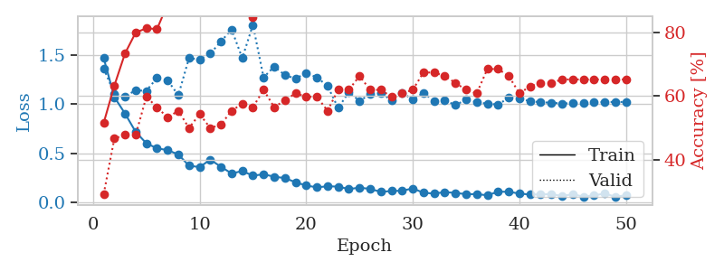
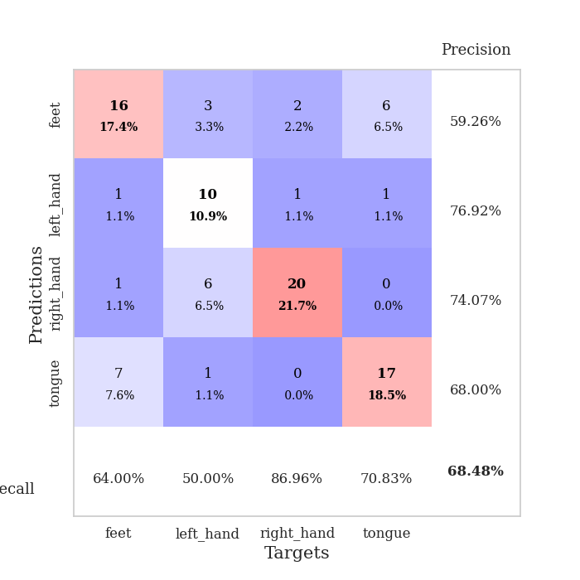
train_loss | valid_loss | train_accuracy | valid_accuracy | dur | train_misclass | valid_misclass
1.4676392078 | 1.3625771844 | 0.51630434783 | 0.29347826087 | 0.077990055084 | 51.630434783 | 29.347826087
1.0711110753 | 1.1070039868 | 0.63315217391 | 0.46739130435 | 0.079367160797 | 63.315217391 | 46.739130435
0.90372937399 | 1.0798718618 | 0.73369565217 | 0.47826086957 | 0.079554796219 | 73.369565217 | 47.826086957
0.71722881949 | 1.1401766694 | 0.79891304348 | 0.47826086957 | 0.077919483185 | 79.891304348 | 47.826086957
0.60117372093 | 1.135178369 | 0.8125 | 0.59782608696 | 0.079748630524 | 81.25 | 59.782608696
0.55012266727 | 1.2666859471 | 0.8097826087 | 0.5652173913 | 0.079239368439 | 80.97826087 | 56.52173913
0.53152049106 | 1.2422483589 | 0.88858695652 | 0.53260869565 | 0.079136133194 | 88.858695652 | 53.260869565
0.48754068691 | 1.0897340127 | 0.91847826087 | 0.55434782609 | 0.079194784164 | 91.847826087 | 55.434782609
0.37316854169 | 1.4673550336 | 0.89402173913 | 0.5 | 0.078542947769 | 89.402173913 | 50
0.35887686779 | 1.4548567793 | 0.9402173913 | 0.54347826087 | 0.07804608345 | 94.02173913 | 54.347826087
0.43501957603 | 1.5134126155 | 0.89945652174 | 0.5 | 0.078840494156 | 89.945652174 | 50
0.36171359083 | 1.6375957753 | 0.95380434783 | 0.51086956522 | 0.078179597855 | 95.380434783 | 51.086956522
0.2942729466 | 1.7601461151 | 0.89402173913 | 0.55434782609 | 0.078169584274 | 89.402173913 | 55.434782609
0.31873798921 | 1.4674581419 | 0.94836956522 | 0.57608695652 | 0.078262090683 | 94.836956522 | 57.608695652
0.27191911265 | 1.8065253133 | 0.84782608696 | 0.5652173913 | 0.078210830688 | 84.782608696 | 56.52173913
0.28576392745 | 1.2709922894 | 0.98913043478 | 0.61956521739 | 0.078339338303 | 98.913043478 | 61.956521739
0.26136642273 | 1.3825608984 | 0.98913043478 | 0.5652173913 | 0.078382253647 | 98.913043478 | 56.52173913
0.24694499908 | 1.2949418011 | 0.99184782609 | 0.58695652174 | 0.07833814621 | 99.184782609 | 58.695652174
0.20493397708 | 1.2602833496 | 0.99456521739 | 0.60869565217 | 0.078151226044 | 99.456521739 | 60.869565217
0.17156506403 | 1.3138162312 | 0.98641304348 | 0.59782608696 | 0.078161716461 | 98.641304348 | 59.782608696
0.15278154871 | 1.2726619399 | 0.98913043478 | 0.59782608696 | 0.078204154968 | 98.913043478 | 59.782608696
0.16381182829 | 1.1841835963 | 0.99456521739 | 0.55434782609 | 0.078359603882 | 99.456521739 | 55.434782609
0.1604900663 | 0.96097548112 | 1 | 0.61956521739 | 0.078350782394 | 100 | 61.956521739
0.13521389882 | 1.1215580196 | 1 | 0.61956521739 | 0.078296661377 | 100 | 61.956521739
0.15024215663 | 1.0333437609 | 1 | 0.66304347826 | 0.07834982872 | 100 | 66.304347826
0.13663262761 | 1.0989223459 | 1 | 0.61956521739 | 0.078377485275 | 100 | 61.956521739
0.10699213831 | 1.1103202364 | 0.9972826087 | 0.61956521739 | 0.078231573105 | 99.72826087 | 61.956521739
0.11567112455 | 1.0412282322 | 1 | 0.59782608696 | 0.078118801117 | 100 | 59.782608696
0.11859919831 | 1.1160884409 | 1 | 0.60869565217 | 0.07814002037 | 100 | 60.869565217
0.14184644494 | 1.0454831033 | 1 | 0.61956521739 | 0.078153610229 | 100 | 61.956521739
0.097937053474 | 1.114701433 | 0.98913043478 | 0.67391304348 | 0.078140735626 | 98.913043478 | 67.391304348
0.089661382301 | 1.0324821226 | 1 | 0.67391304348 | 0.078478813171 | 100 | 67.391304348
0.10441880949 | 1.0400816695 | 1 | 0.66304347826 | 0.078370571136 | 100 | 66.304347826
0.096475112414 | 0.98877152023 | 1 | 0.64130434783 | 0.078177452087 | 100 | 64.130434783
0.083610560664 | 1.0464755128 | 1 | 0.61956521739 | 0.079000234604 | 100 | 61.956521739
0.083760012022 | 1.0214862914 | 1 | 0.60869565217 | 0.078612089157 | 100 | 60.869565217
0.07211315559 | 1.0027465496 | 1 | 0.6847826087 | 0.078302621841 | 100 | 68.47826087
0.10888092426 | 0.99662941953 | 1 | 0.6847826087 | 0.079067230225 | 100 | 68.47826087
0.10757981528 | 1.0624264751 | 1 | 0.66304347826 | 0.078192472458 | 100 | 66.304347826
0.089872444372 | 1.0557325975 | 1 | 0.60869565217 | 0.078231811523 | 100 | 60.869565217
0.079765313629 | 1.030182475 | 1 | 0.63043478261 | 0.078518390656 | 100 | 63.043478261
0.080920533176 | 1.0183816345 | 1 | 0.64130434783 | 0.078441143036 | 100 | 64.130434783
0.083715219213 | 1.0142677854 | 1 | 0.64130434783 | 0.078283071518 | 100 | 64.130434783
0.064744883986 | 1.0062461469 | 1 | 0.65217391304 | 0.078730583191 | 100 | 65.217391304
0.082424731196 | 1.0088979757 | 1 | 0.65217391304 | 0.078641891479 | 100 | 65.217391304
0.058705565439 | 1.0137597478 | 1 | 0.65217391304 | 0.078163385391 | 100 | 65.217391304
0.070648368448 | 1.018584276 | 1 | 0.65217391304 | 0.078589916229 | 100 | 65.217391304
0.089913945362 | 1.0213130181 | 1 | 0.65217391304 | 0.07811999321 | 100 | 65.217391304
0.057795537231 | 1.0217314414 | 1 | 0.65217391304 | 0.07859826088 | 100 | 65.217391304
0.071775769248 | 1.0219432699 | 1 | 0.65217391304 | 0.078575134277 | 100 | 65.217391304

Best Val accuracy is 0.6847826086956522 and Best test accuracy is 0.6810344827586207

Sheet9
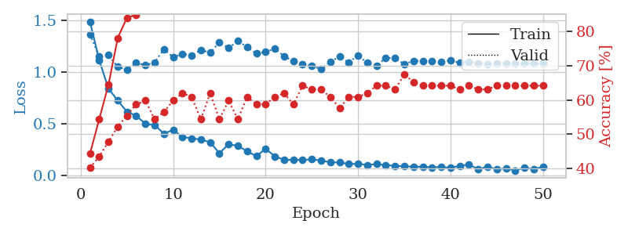
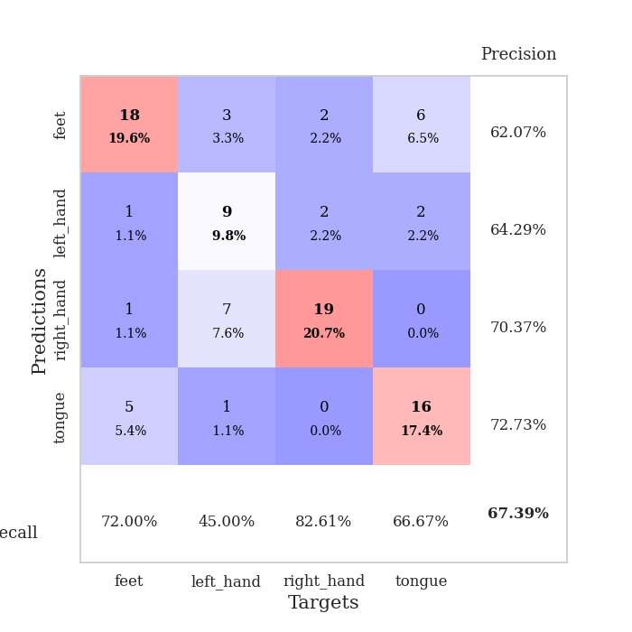
train_loss | valid_loss | train_accuracy | valid_accuracy | dur | train_misclass | valid_misclass
1.4890942936 | 1.3647681941 | 0.44293478261 | 0.40217391304 | 0.078839540482 | 44.293478261 | 40.217391304
1.1162455497 | 1.151185059 | 0.54347826087 | 0.4347826087 | 0.077820062637 | 54.347826087 | 43.47826087
0.84096518548 | 1.1643960865 | 0.64402173913 | 0.47826086957 | 0.077804803848 | 64.402173913 | 47.826086957
0.72534948847 | 1.0509380854 | 0.77989130435 | 0.52173913043 | 0.08128619194 | 77.989130435 | 52.173913043
0.61723117271 | 1.0238785821 | 0.83967391304 | 0.55434782609 | 0.078115224838 | 83.967391304 | 55.434782609
0.57826728277 | 1.088096366 | 0.84782608696 | 0.58695652174 | 0.078257083893 | 84.782608696 | 58.695652174
0.49975522964 | 1.0679915547 | 0.89402173913 | 0.59782608696 | 0.078385353088 | 89.402173913 | 59.782608696
0.48906091763 | 1.0930658812 | 0.92391304348 | 0.54347826087 | 0.078476428986 | 92.391304348 | 54.347826087
0.40419036798 | 1.2228416891 | 0.9375 | 0.5652173913 | 0.078231096268 | 93.75 | 56.52173913
0.441712809 | 1.1426919167 | 0.95923913043 | 0.59782608696 | 0.078536510468 | 95.923913043 | 59.782608696
0.37286069989 | 1.1782229556 | 0.93206521739 | 0.61956521739 | 0.078420639038 | 93.206521739 | 61.956521739
0.36024767808 | 1.1600025944 | 0.98369565217 | 0.60869565217 | 0.078593254089 | 98.369565217 | 60.869565217
0.34789051375 | 1.2161799928 | 0.94293478261 | 0.54347826087 | 0.078315734863 | 94.293478261 | 54.347826087
0.32163805191 | 1.1865796032 | 0.97282608696 | 0.61956521739 | 0.078373432159 | 97.282608696 | 61.956521739
0.21579895719 | 1.2877371298 | 0.98097826087 | 0.54347826087 | 0.08137845993 | 98.097826087 | 54.347826087
0.30249174976 | 1.2327550663 | 0.94836956522 | 0.59782608696 | 0.078907728195 | 94.836956522 | 59.782608696
0.28679601978 | 1.3019652729 | 0.98097826087 | 0.54347826087 | 0.078454732895 | 98.097826087 | 54.347826087
0.23484138059 | 1.2415376422 | 0.98369565217 | 0.60869565217 | 0.078107357025 | 98.369565217 | 60.869565217
0.18694548341 | 1.1805855243 | 0.99184782609 | 0.58695652174 | 0.078083753586 | 99.184782609 | 58.695652174
0.2582747946 | 1.1940401715 | 1 | 0.58695652174 | 0.078152894974 | 100 | 58.695652174
0.18549169503 | 1.2279999723 | 0.99184782609 | 0.60869565217 | 0.078065872192 | 99.184782609 | 60.869565217
0.15150185261 | 1.1540338488 | 0.9972826087 | 0.61956521739 | 0.078092575073 | 99.72826087 | 61.956521739
0.15252886121 | 1.1058186655 | 1 | 0.58695652174 | 0.078193187714 | 100 | 58.695652174
0.14947309394 | 1.0778985036 | 1 | 0.64130434783 | 0.078098535538 | 100 | 64.130434783
0.15798992 | 1.0603536912 | 0.9972826087 | 0.63043478261 | 0.078174829483 | 99.72826087 | 63.043478261
0.14368674839 | 1.0292962958 | 0.9972826087 | 0.63043478261 | 0.077988386154 | 99.72826087 | 63.043478261
0.12872189866 | 1.1008555688 | 1 | 0.60869565217 | 0.078248023987 | 100 | 60.869565217
0.12623160162 | 1.1506741345 | 1 | 0.57608695652 | 0.077946662903 | 100 | 57.608695652
0.11140583569 | 1.0926425703 | 1 | 0.60869565217 | 0.078108549118 | 100 | 60.869565217
0.11313673133 | 1.1623918453 | 1 | 0.60869565217 | 0.078228712082 | 100 | 60.869565217
0.1020704818 | 1.0887927147 | 1 | 0.61956521739 | 0.078260183334 | 100 | 61.956521739
0.1103022535 | 1.0645002846 | 1 | 0.64130434783 | 0.078054189682 | 100 | 64.130434783
0.10044932625 | 1.1362901071 | 1 | 0.64130434783 | 0.077962398529 | 100 | 64.130434783
0.094157974762 | 1.1352161869 | 1 | 0.63043478261 | 0.078146457672 | 100 | 63.043478261
0.088636018255 | 1.0778959238 | 1 | 0.67391304348 | 0.078045129776 | 100 | 67.391304348
0.085628843299 | 1.1093674587 | 1 | 0.65217391304 | 0.078219652176 | 100 | 65.217391304
0.084535212216 | 1.1087548862 | 1 | 0.64130434783 | 0.07806801796 | 100 | 64.130434783
0.07895352493 | 1.1035470788 | 1 | 0.64130434783 | 0.078199386597 | 100 | 64.130434783
0.08346113765 | 1.0973957758 | 1 | 0.64130434783 | 0.077938079834 | 100 | 64.130434783
0.074306125429 | 1.1108795877 | 1 | 0.64130434783 | 0.078197240829 | 100 | 64.130434783
0.09406101566 | 1.0918876814 | 1 | 0.63043478261 | 0.077893257141 | 100 | 63.043478261
0.10681937773 | 1.1012759993 | 1 | 0.64130434783 | 0.078198671341 | 100 | 64.130434783
0.060128587946 | 1.0859960395 | 1 | 0.63043478261 | 0.077940940857 | 100 | 63.043478261
0.085101439132 | 1.0765224021 | 1 | 0.63043478261 | 0.078099489212 | 100 | 63.043478261
0.059228199656 | 1.0835747596 | 1 | 0.64130434783 | 0.078008174896 | 100 | 64.130434783
0.069535618203 | 1.085720127 | 1 | 0.64130434783 | 0.077912569046 | 100 | 64.130434783
0.047827299502 | 1.0837499797 | 1 | 0.64130434783 | 0.07803273201 | 100 | 64.130434783
0.076415369186 | 1.0828124997 | 1 | 0.64130434783 | 0.077972650528 | 100 | 64.130434783
0.060271569892 | 1.0817198663 | 1 | 0.64130434783 | 0.07815694809 | 100 | 64.130434783
0.0849585044 | 1.0809677606 | 1 | 0.64130434783 | 0.077971458435 | 100 | 64.130434783

Best Val accuracy is 0.6739130434782609 and Best test accuracy is 0.6637931034482759

Sheet10
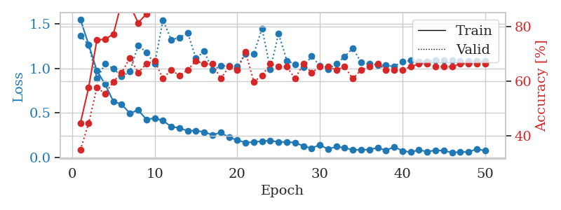

train_loss | valid_loss | train_accuracy | valid_accuracy | dur | train_misclass | valid_misclass
1.5494816666 | 1.3646402152 | 0.44565217391 | 0.34782608696 | 0.078544616699 | 44.565217391 | 34.782608696
1.2655989709 | 1.2613477189 | 0.57608695652 | 0.44565217391 | 0.078113794327 | 57.608695652 | 44.565217391
0.97395735461 | 0.88484400252 | 0.75 | 0.57608695652 | 0.080675601959 | 75 | 57.608695652
0.82077453836 | 1.0481795435 | 0.7527173913 | 0.55434782609 | 0.079120635986 | 75.27173913 | 55.434782609
0.62880712229 | 0.99790470237 | 0.77173913043 | 0.59782608696 | 0.07852602005 | 77.173913043 | 59.782608696
0.59568061518 | 0.90800744425 | 0.88858695652 | 0.63043478261 | 0.078436613083 | 88.858695652 | 63.043478261
0.49613596499 | 0.96265581768 | 0.8777173913 | 0.6847826087 | 0.078446149826 | 87.77173913 | 68.47826087
0.53334749522 | 1.2590688001 | 0.8125 | 0.63043478261 | 0.078116178513 | 81.25 | 63.043478261
0.42627664882 | 1.1772583386 | 0.84510869565 | 0.66304347826 | 0.07822060585 | 84.510869565 | 66.304347826
0.44329090157 | 1.0491420504 | 0.92663043478 | 0.67391304348 | 0.078319549561 | 92.663043478 | 67.391304348
0.41286933552 | 1.5397722086 | 0.86413043478 | 0.60869565217 | 0.078211307526 | 86.413043478 | 60.869565217
0.34803823803 | 1.3201881349 | 0.90489130435 | 0.64130434783 | 0.07833147049 | 90.489130435 | 64.130434783
0.33190370967 | 1.3451087021 | 0.90760869565 | 0.61956521739 | 0.078322410583 | 90.760869565 | 61.956521739
0.29884392963 | 1.3972055653 | 0.90217391304 | 0.64130434783 | 0.078400611877 | 90.217391304 | 64.130434783
0.30258826458 | 1.11056687 | 0.97554347826 | 0.67391304348 | 0.078259468079 | 97.554347826 | 67.391304348
0.2862906443 | 1.1907426274 | 0.96467391304 | 0.66304347826 | 0.079941987991 | 96.467391304 | 66.304347826
0.25446604678 | 0.97975161931 | 0.97554347826 | 0.66304347826 | 0.077210187912 | 97.554347826 | 66.304347826
0.28103710355 | 1.0289541172 | 0.98369565217 | 0.60869565217 | 0.077642440796 | 98.369565217 | 60.869565217
0.22557845485 | 1.0254583929 | 0.99456521739 | 0.65217391304 | 0.077575206757 | 99.456521739 | 65.217391304
0.1961424618 | 1.0192997203 | 0.99456521739 | 0.64130434783 | 0.077629804611 | 99.456521739 | 64.130434783
0.16879383296 | 1.1594567616 | 0.98913043478 | 0.70652173913 | 0.077715873718 | 98.913043478 | 70.652173913
0.17390979972 | 1.161236934 | 0.99184782609 | 0.59782608696 | 0.077832460403 | 99.184782609 | 59.782608696
0.1843490254 | 1.4468330896 | 0.97282608696 | 0.61956521739 | 0.077300548553 | 97.282608696 | 61.956521739
0.19116335338 | 0.98931612139 | 1 | 0.66304347826 | 0.078199386597 | 100 | 66.304347826
0.17425042601 | 1.3897013522 | 0.97010869565 | 0.65217391304 | 0.077681064606 | 97.010869565 | 65.217391304
0.17538184438 | 1.0869102303 | 0.99456521739 | 0.65217391304 | 0.077697277069 | 99.456521739 | 65.217391304
0.16774201474 | 1.046505021 | 0.9972826087 | 0.60869565217 | 0.077700853348 | 99.72826087 | 60.869565217
0.12921719188 | 1.0101135762 | 1 | 0.66304347826 | 0.077645778656 | 100 | 66.304347826
0.1049961553 | 1.1369783826 | 1 | 0.63043478261 | 0.077698945999 | 100 | 63.043478261
0.14350190208 | 1.0285770051 | 1 | 0.65217391304 | 0.080462932587 | 100 | 65.217391304
0.093005636221 | 0.99147191644 | 1 | 0.65217391304 | 0.077862262726 | 100 | 65.217391304
0.12449172909 | 1.0502032055 | 1 | 0.64130434783 | 0.077281713486 | 100 | 64.130434783
0.10733814092 | 1.1322965842 | 1 | 0.65217391304 | 0.077572345734 | 100 | 65.217391304
0.087017785069 | 1.2255764435 | 1 | 0.60869565217 | 0.077610969543 | 100 | 60.869565217
0.087419316011 | 1.0649605471 | 1 | 0.64130434783 | 0.077455759048 | 100 | 64.130434783
0.09039285617 | 1.05003812 | 1 | 0.65217391304 | 0.077439308167 | 100 | 65.217391304
0.10998395296 | 1.0387773216 | 1 | 0.66304347826 | 0.077583551407 | 100 | 66.304347826
0.080599033841 | 1.0341625745 | 1 | 0.64130434783 | 0.077528953552 | 100 | 64.130434783
0.12069662069 | 1.0201282268 | 1 | 0.64130434783 | 0.07758140564 | 100 | 64.130434783
0.075415879245 | 1.0777163078 | 1 | 0.64130434783 | 0.077665328979 | 100 | 64.130434783
0.060606718792 | 1.0873127904 | 1 | 0.65217391304 | 0.077241897583 | 100 | 65.217391304
0.085149055023 | 1.0766540351 | 1 | 0.66304347826 | 0.077336549759 | 100 | 66.304347826
0.06628397836 | 1.0784460967 | 1 | 0.66304347826 | 0.077324867249 | 100 | 66.304347826
0.082309148882 | 1.09034506 | 1 | 0.65217391304 | 0.077412366867 | 100 | 65.217391304
0.076117635826 | 1.0933635468 | 1 | 0.65217391304 | 0.077450752258 | 100 | 65.217391304
0.057935012585 | 1.0880272026 | 1 | 0.65217391304 | 0.077658653259 | 100 | 65.217391304
0.063005380251 | 1.0827144942 | 1 | 0.66304347826 | 0.077580213547 | 100 | 66.304347826
0.062330689079 | 1.0812504473 | 1 | 0.66304347826 | 0.077456951141 | 100 | 66.304347826
0.097647045699 | 1.0806280284 | 1 | 0.66304347826 | 0.077486276627 | 100 | 66.304347826
0.076025772384 | 1.0802419199 | 1 | 0.66304347826 | 0.077635288239 | 100 | 66.304347826

Best Val accuracy is 0.7065217391304348 and Best test accuracy is 0.6724137931034483

