Sheet
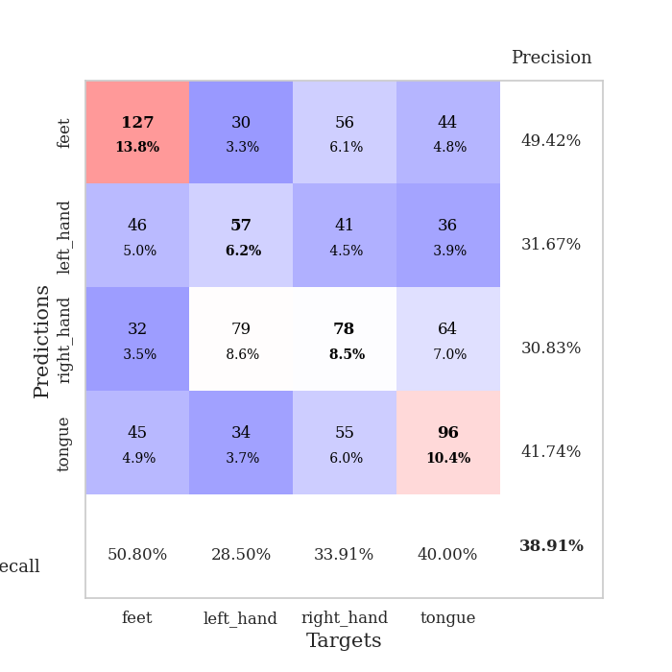
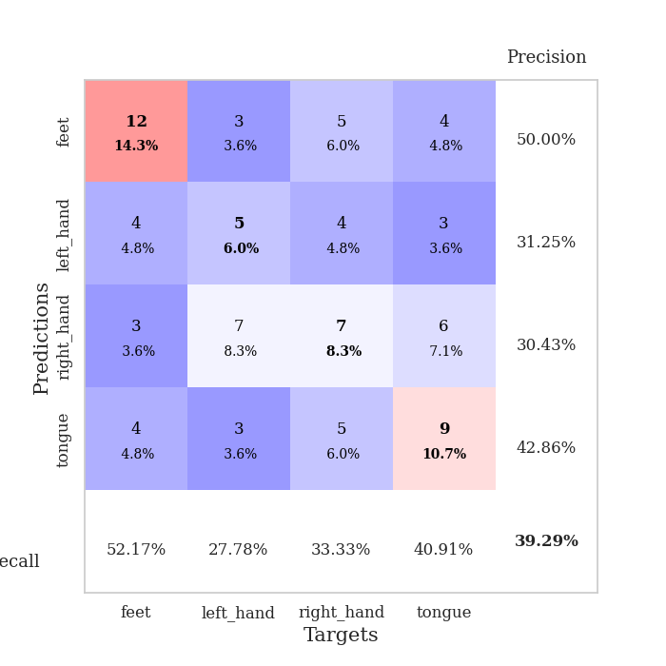
best_val_acc | best_val_los | best_test_acc
0.39130434783 | 1.3472383178 | 0.39655172414
0.41304347826 | 1.376388866 | 0.36206896552
0.41304347826 | 1.3877271621 | 0.35344827586
0.40217391304 | 1.3901366099 | 0.33620689655
0.42391304348 | 1.3729053425 | 0.43103448276
0.38043478261 | 1.3475246067 | 0.31034482759
0.33695652174 | 1.3680708719 | 0.31034482759
0.32608695652 | 1.3717370863 | 0.25
0.38043478261 | 1.3674251308 | 0.35344827586
0.42391304348 | 1.3726353283 | 0.3275862069

Mean,std Val accuracy is 0.3891304347826087 , 0.034296114684635455 and mean, std test accuracy is 0.34310344827586203 , 0.049738382812457016

Sheet1
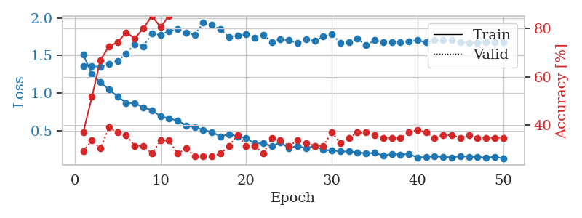
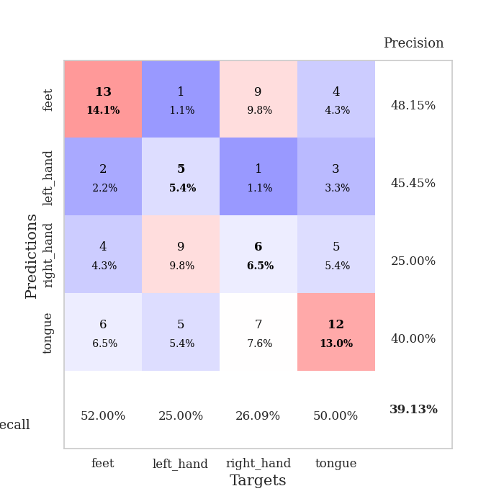
train_loss | valid_loss | train_accuracy | valid_accuracy | dur | train_misclass | valid_misclass
1.5098738774 | 1.3612327109 | 0.3722826087 | 0.29347826087 | 0.079750061035 | 37.22826087 | 29.347826087
1.2513017603 | 1.3585677406 | 0.51630434783 | 0.33695652174 | 0.084882974625 | 51.630434783 | 33.695652174
1.1422937927 | 1.3472383178 | 0.66847826087 | 0.30434782609 | 0.082042455673 | 66.847826087 | 30.434782609
1.0454729744 | 1.3831488827 | 0.72554347826 | 0.39130434783 | 0.08135008812 | 72.554347826 | 39.130434783
0.95209713086 | 1.4277728278 | 0.74184782609 | 0.36956521739 | 0.081303834915 | 74.184782609 | 36.956521739
0.86824881771 | 1.5257222341 | 0.78260869565 | 0.35869565217 | 0.082199335098 | 78.260869565 | 35.869565217
0.86189414237 | 1.6509828412 | 0.75815217391 | 0.3152173913 | 0.082209587097 | 75.815217391 | 31.52173913
0.80806177595 | 1.6232815411 | 0.79891304348 | 0.3152173913 | 0.082123756409 | 79.891304348 | 31.52173913
0.7692910381 | 1.7889772757 | 0.85054347826 | 0.28260869565 | 0.082388162613 | 85.054347826 | 28.260869565
0.68827896922 | 1.7749377748 | 0.80434782609 | 0.33695652174 | 0.082596302032 | 80.434782609 | 33.695652174
0.65984930292 | 1.8220207899 | 0.85054347826 | 0.33695652174 | 0.08254981041 | 85.054347826 | 33.695652174
0.63253443526 | 1.8502343478 | 0.89402173913 | 0.28260869565 | 0.0826151371 | 89.402173913 | 28.260869565
0.56701329869 | 1.8067583519 | 0.91847826087 | 0.30434782609 | 0.086094617844 | 91.847826087 | 30.434782609
0.54263463746 | 1.7772453868 | 0.9347826087 | 0.27173913043 | 0.082119464874 | 93.47826087 | 27.173913043
0.50673208353 | 1.9348007855 | 0.9375 | 0.27173913043 | 0.076845645905 | 93.75 | 27.173913043
0.47807010231 | 1.9058635494 | 0.95652173913 | 0.27173913043 | 0.076687574387 | 95.652173913 | 27.173913043
0.42133422844 | 1.8486507405 | 0.96467391304 | 0.28260869565 | 0.077134132385 | 96.467391304 | 28.260869565
0.44967254478 | 1.7469762875 | 0.97010869565 | 0.3152173913 | 0.077096223831 | 97.010869565 | 31.52173913
0.42251349467 | 1.7662170244 | 0.96195652174 | 0.35869565217 | 0.077606916428 | 96.195652174 | 35.869565217
0.39761467796 | 1.7816596653 | 0.95652173913 | 0.3152173913 | 0.077546834946 | 95.652173913 | 31.52173913
0.32981904628 | 1.7328091342 | 0.98641304348 | 0.3152173913 | 0.077702760696 | 98.641304348 | 31.52173913
0.32607666662 | 1.7760682572 | 0.98641304348 | 0.28260869565 | 0.077649354935 | 98.641304348 | 28.260869565
0.28843157447 | 1.6799092345 | 0.98369565217 | 0.34782608696 | 0.077734947205 | 98.369565217 | 34.782608696
0.34024184035 | 1.7203580815 | 0.9972826087 | 0.33695652174 | 0.077620267868 | 99.72826087 | 33.695652174
0.26138549298 | 1.7014957252 | 0.98913043478 | 0.3152173913 | 0.077661275864 | 98.913043478 | 31.52173913
0.29473899823 | 1.6646486106 | 0.9972826087 | 0.33695652174 | 0.077715873718 | 99.72826087 | 33.695652174
0.26123362715 | 1.7176203935 | 1 | 0.32608695652 | 0.077585935593 | 100 | 32.608695652
0.29463569885 | 1.6947263479 | 0.99456521739 | 0.3152173913 | 0.077696323395 | 99.456521739 | 31.52173913
0.23897514589 | 1.7512530814 | 1 | 0.3152173913 | 0.077633857727 | 100 | 31.52173913
0.23373336507 | 1.7856307911 | 1 | 0.36956521739 | 0.077636480331 | 100 | 36.956521739
0.22032052473 | 1.6655095349 | 1 | 0.32608695652 | 0.077587842941 | 100 | 32.608695652
0.21974436712 | 1.6758273529 | 0.9972826087 | 0.34782608696 | 0.077798604965 | 99.72826087 | 34.782608696
0.20772960393 | 1.7235147227 | 1 | 0.36956521739 | 0.079123258591 | 100 | 36.956521739
0.19491540333 | 1.633787264 | 1 | 0.36956521739 | 0.078125476837 | 100 | 36.956521739
0.20101540892 | 1.7030214849 | 1 | 0.35869565217 | 0.077930927277 | 100 | 35.869565217
0.16526462041 | 1.6763778977 | 1 | 0.34782608696 | 0.077723026276 | 100 | 34.782608696
0.18656096883 | 1.6806512967 | 1 | 0.34782608696 | 0.077815771103 | 100 | 34.782608696
0.17911335356 | 1.6737885112 | 1 | 0.34782608696 | 0.077956676483 | 100 | 34.782608696
0.18530255216 | 1.6865207216 | 1 | 0.36956521739 | 0.077761411667 | 100 | 36.956521739
0.14057921618 | 1.7048477764 | 1 | 0.38043478261 | 0.077718019485 | 100 | 38.043478261
0.1462103254 | 1.6747672351 | 1 | 0.36956521739 | 0.077894926071 | 100 | 36.956521739
0.15869623325 | 1.7021418654 | 1 | 0.34782608696 | 0.077832937241 | 100 | 34.782608696
0.1490438574 | 1.7109626843 | 1 | 0.35869565217 | 0.077815771103 | 100 | 35.869565217
0.14033109079 | 1.7097128008 | 1 | 0.35869565217 | 0.077814102173 | 100 | 35.869565217
0.15699442768 | 1.6766856494 | 1 | 0.34782608696 | 0.077753782272 | 100 | 34.782608696
0.1501590203 | 1.6688957525 | 1 | 0.35869565217 | 0.077720403671 | 100 | 35.869565217
0.15026097664 | 1.671643791 | 1 | 0.34782608696 | 0.077825307846 | 100 | 34.782608696
0.13460293882 | 1.6759756233 | 1 | 0.34782608696 | 0.077804327011 | 100 | 34.782608696
0.15065054968 | 1.6776665812 | 1 | 0.34782608696 | 0.077848911285 | 100 | 34.782608696
0.12794478594 | 1.6791709921 | 1 | 0.34782608696 | 0.077806472778 | 100 | 34.782608696

Best Val accuracy is 0.391304347826087 and Best test accuracy is 0.39655172413793105

Sheet2
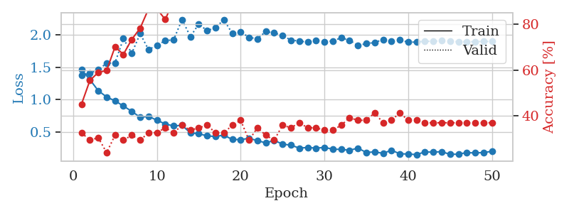
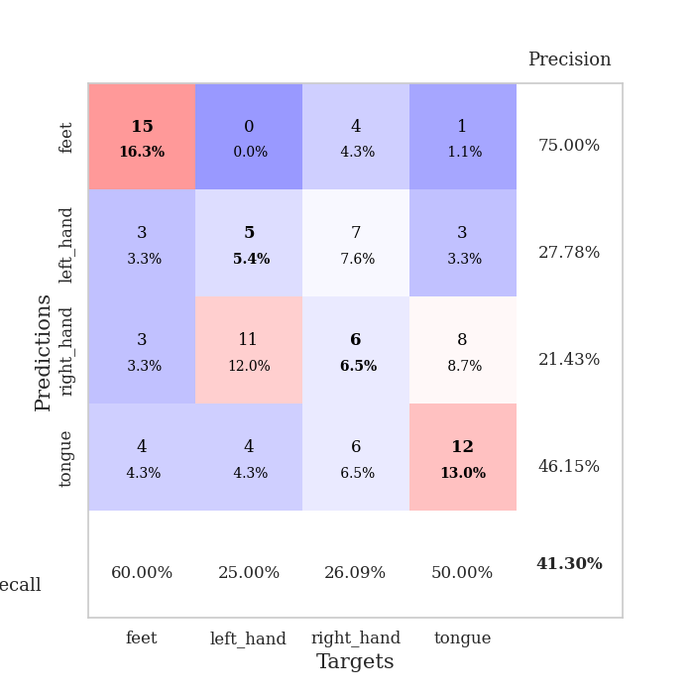
train_loss | valid_loss | train_accuracy | valid_accuracy | dur | train_misclass | valid_misclass
1.4647302524 | 1.376388866 | 0.45108695652 | 0.32608695652 | 0.07796049118 | 45.108695652 | 32.608695652
1.3083758976 | 1.4113247291 | 0.55434782609 | 0.29347826087 | 0.077147245407 | 55.434782609 | 29.347826087
1.137915251 | 1.4592362279 | 0.58967391304 | 0.30434782609 | 0.077363014221 | 58.967391304 | 30.434782609
1.04048419 | 1.5649036169 | 0.59782608696 | 0.23913043478 | 0.077237606049 | 59.782608696 | 23.913043478
0.98060464341 | 1.5675670893 | 0.70108695652 | 0.3152173913 | 0.07736492157 | 70.108695652 | 31.52173913
0.90039967972 | 1.9432438975 | 0.66847826087 | 0.29347826087 | 0.077449560165 | 66.847826087 | 29.347826087
0.81840347207 | 1.716637798 | 0.73369565217 | 0.3152173913 | 0.077788114548 | 73.369565217 | 31.52173913
0.72549726134 | 2.01995096 | 0.78260869565 | 0.29347826087 | 0.077927112579 | 78.260869565 | 29.347826087
0.74112826586 | 1.7734932174 | 0.86684782609 | 0.32608695652 | 0.077937602997 | 86.684782609 | 32.608695652
0.68005565781 | 1.8392596919 | 0.86684782609 | 0.32608695652 | 0.077673435211 | 86.684782609 | 32.608695652
0.62263177789 | 1.9128049249 | 0.82065217391 | 0.34782608696 | 0.079570531845 | 82.065217391 | 34.782608696
0.59150519578 | 1.9250230945 | 0.90489130435 | 0.32608695652 | 0.077734947205 | 90.489130435 | 32.608695652
0.60187517495 | 2.2390242763 | 0.91032608696 | 0.35869565217 | 0.077521800995 | 91.032608696 | 35.869565217
0.48422737873 | 1.9746022846 | 0.94836956522 | 0.33695652174 | 0.078452825546 | 94.836956522 | 33.695652174
0.47271007883 | 2.1701747956 | 0.97554347826 | 0.34782608696 | 0.077940702438 | 97.554347826 | 34.782608696
0.43708812154 | 2.0651699978 | 0.95652173913 | 0.35869565217 | 0.078378915787 | 95.652173913 | 35.869565217
0.42936447587 | 2.1165387423 | 0.96195652174 | 0.32608695652 | 0.078561782837 | 96.195652174 | 32.608695652
0.44911471398 | 2.2329340914 | 0.9347826087 | 0.32608695652 | 0.07856798172 | 93.47826087 | 32.608695652
0.3823699543 | 2.0261345739 | 0.97826086957 | 0.35869565217 | 0.07856631279 | 97.826086957 | 35.869565217
0.38120837056 | 2.0498450943 | 0.97282608696 | 0.38043478261 | 0.078593969345 | 97.282608696 | 38.043478261
0.39952208426 | 1.9621622614 | 0.97282608696 | 0.29347826087 | 0.078406333923 | 97.282608696 | 29.347826087
0.36535011426 | 1.9417624163 | 0.98913043478 | 0.34782608696 | 0.078405618668 | 98.913043478 | 34.782608696
0.32897810314 | 2.0534147128 | 0.97826086957 | 0.3152173913 | 0.07853269577 | 97.826086957 | 31.52173913
0.36875920581 | 2.0321190927 | 0.98913043478 | 0.29347826087 | 0.078466653824 | 98.913043478 | 29.347826087
0.31009764969 | 1.9931134659 | 0.98369565217 | 0.35869565217 | 0.078694820404 | 98.369565217 | 35.869565217
0.29507507416 | 1.9196731111 | 0.98913043478 | 0.34782608696 | 0.078540802002 | 98.913043478 | 34.782608696
0.24882714871 | 1.9071950446 | 0.99184782609 | 0.36956521739 | 0.078570365906 | 99.184782609 | 36.956521739
0.25892180399 | 1.8877970032 | 0.99184782609 | 0.34782608696 | 0.078442573547 | 99.184782609 | 34.782608696
0.24871891478 | 1.9129946232 | 0.99456521739 | 0.34782608696 | 0.078450202942 | 99.456521739 | 34.782608696
0.25913164084 | 1.8974467671 | 0.98913043478 | 0.33695652174 | 0.078486919403 | 98.913043478 | 33.695652174
0.23309148621 | 1.9076539123 | 0.9972826087 | 0.33695652174 | 0.078680276871 | 99.72826087 | 33.695652174
0.22863798313 | 1.9548314862 | 0.9972826087 | 0.35869565217 | 0.078636169434 | 99.72826087 | 35.869565217
0.21554908221 | 1.9177594081 | 1 | 0.39130434783 | 0.078383922577 | 100 | 39.130434783
0.24854147661 | 1.8387048555 | 0.9972826087 | 0.38043478261 | 0.078771591187 | 99.72826087 | 38.043478261
0.18128106468 | 1.8658475202 | 1 | 0.38043478261 | 0.078518629074 | 100 | 38.043478261
0.19054761011 | 1.8839872194 | 1 | 0.41304347826 | 0.078618049622 | 100 | 41.304347826
0.16790563143 | 1.9291150155 | 1 | 0.36956521739 | 0.078983545303 | 100 | 36.956521739
0.21590435278 | 1.9023943673 | 1 | 0.38043478261 | 0.078414440155 | 100 | 38.043478261
0.16127667706 | 1.9234470595 | 1 | 0.41304347826 | 0.078638792038 | 100 | 41.304347826
0.15757761215 | 1.8880772539 | 1 | 0.38043478261 | 0.078648805618 | 100 | 38.043478261
0.14843619032 | 1.8908381099 | 1 | 0.38043478261 | 0.078540802002 | 100 | 38.043478261
0.19098303289 | 1.9037999018 | 1 | 0.36956521739 | 0.078632354736 | 100 | 36.956521739
0.18571783959 | 1.9012414735 | 1 | 0.36956521739 | 0.078513860703 | 100 | 36.956521739
0.19437055614 | 1.9121130601 | 1 | 0.36956521739 | 0.078794956207 | 100 | 36.956521739
0.15230903807 | 1.9023788131 | 1 | 0.36956521739 | 0.078522920609 | 100 | 36.956521739
0.15579624053 | 1.8956559378 | 1 | 0.36956521739 | 0.07848405838 | 100 | 36.956521739
0.17954064128 | 1.8956247879 | 1 | 0.36956521739 | 0.081343173981 | 100 | 36.956521739
0.17372414356 | 1.8980092432 | 1 | 0.36956521739 | 0.078517198563 | 100 | 36.956521739
0.18085439212 | 1.8988267805 | 1 | 0.36956521739 | 0.078395843506 | 100 | 36.956521739
0.19807888146 | 1.9004522769 | 1 | 0.36956521739 | 0.078326225281 | 100 | 36.956521739

Best Val accuracy is 0.41304347826086957 and Best test accuracy is 0.3620689655172414

Sheet3
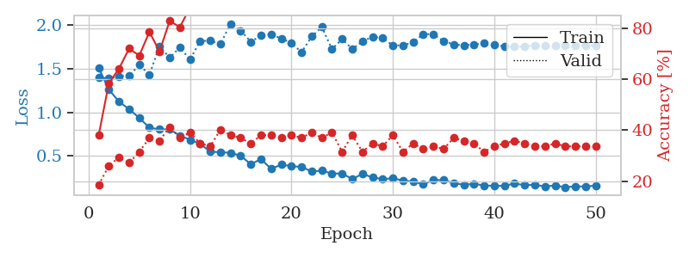
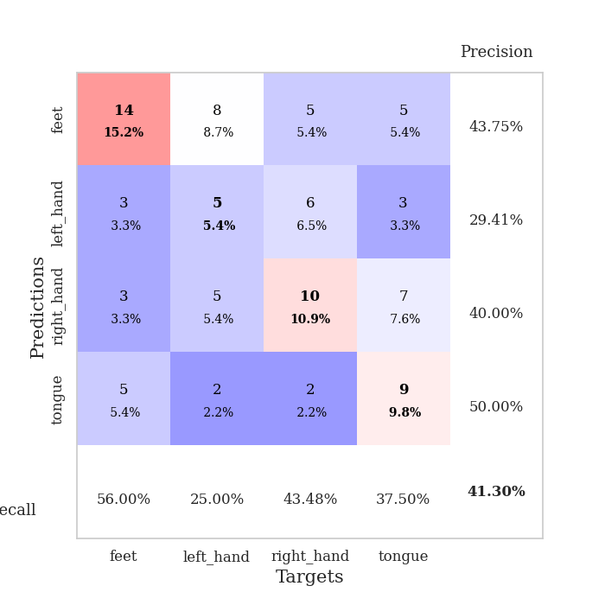
train_loss | valid_loss | train_accuracy | valid_accuracy | dur | train_misclass | valid_misclass
1.5104482951 | 1.4015541906 | 0.38043478261 | 0.1847826087 | 0.079097032547 | 38.043478261 | 18.47826087
1.2623299775 | 1.3877271621 | 0.58423913043 | 0.26086956522 | 0.07844543457 | 58.423913043 | 26.086956522
1.1246823876 | 1.4167266669 | 0.64130434783 | 0.29347826087 | 0.078392267227 | 64.130434783 | 29.347826087
1.0373441447 | 1.4183791047 | 0.72010869565 | 0.27173913043 | 0.07824921608 | 72.010869565 | 27.173913043
0.93673184384 | 1.5470716072 | 0.69293478261 | 0.3152173913 | 0.078530311584 | 69.293478261 | 31.52173913
0.82475316265 | 1.4325153672 | 0.78532608696 | 0.36956521739 | 0.078899860382 | 78.532608696 | 36.956521739
0.80562359613 | 1.7623455421 | 0.70923913043 | 0.35869565217 | 0.078721761703 | 70.923913043 | 35.869565217
0.80550669069 | 1.6279186995 | 0.82880434783 | 0.41304347826 | 0.078506469727 | 82.880434783 | 41.304347826
0.73530105404 | 1.7458742961 | 0.80434782609 | 0.36956521739 | 0.079003810883 | 80.434782609 | 36.956521739
0.68558869025 | 1.6071794189 | 0.88043478261 | 0.39130434783 | 0.078446388245 | 88.043478261 | 39.130434783
0.64092084506 | 1.8195190482 | 0.89945652174 | 0.34782608696 | 0.07874917984 | 89.945652174 | 34.782608696
0.54882967472 | 1.8220612847 | 0.875 | 0.33695652174 | 0.078861236572 | 87.5 | 33.695652174
0.54425247467 | 1.7844325926 | 0.92119565217 | 0.40217391304 | 0.078627347946 | 92.119565217 | 40.217391304
0.53661260916 | 2.0189346801 | 0.88315217391 | 0.38043478261 | 0.078675270081 | 88.315217391 | 38.043478261
0.50209637828 | 1.9399571574 | 0.9402173913 | 0.36956521739 | 0.078773736954 | 94.02173913 | 36.956521739
0.40570294598 | 1.8108120846 | 0.97010869565 | 0.34782608696 | 0.078483104706 | 97.010869565 | 34.782608696
0.46456821198 | 1.8832234973 | 0.97554347826 | 0.38043478261 | 0.078700780869 | 97.554347826 | 38.043478261
0.35229693871 | 1.8967140187 | 0.95652173913 | 0.38043478261 | 0.078636884689 | 95.652173913 | 38.043478261
0.40095075706 | 1.8492147871 | 0.92119565217 | 0.36956521739 | 0.078607082367 | 92.119565217 | 36.956521739
0.38328941296 | 1.7966467142 | 0.98097826087 | 0.38043478261 | 0.078429937363 | 98.097826087 | 38.043478261
0.37450548942 | 1.6914602777 | 0.98913043478 | 0.36956521739 | 0.078669786453 | 98.913043478 | 36.956521739
0.32252906522 | 1.8711137046 | 0.98097826087 | 0.39130434783 | 0.07871556282 | 98.097826087 | 39.130434783
0.3319782524 | 1.9801227735 | 0.98369565217 | 0.36956521739 | 0.078642606735 | 98.369565217 | 36.956521739
0.29801083324 | 1.7259899481 | 0.99184782609 | 0.39130434783 | 0.078730344772 | 99.184782609 | 39.130434783
0.29931035767 | 1.8421837921 | 0.99456521739 | 0.3152173913 | 0.078433513641 | 99.456521739 | 31.52173913
0.23557168148 | 1.7286951386 | 0.9972826087 | 0.38043478261 | 0.078745365143 | 99.72826087 | 38.043478261
0.29472903486 | 1.8137887509 | 0.99456521739 | 0.3152173913 | 0.078670740128 | 99.456521739 | 31.52173913
0.25435885139 | 1.8697732791 | 0.99456521739 | 0.34782608696 | 0.07858133316 | 99.456521739 | 34.782608696
0.23424830029 | 1.8528297258 | 0.9972826087 | 0.33695652174 | 0.078472614288 | 99.72826087 | 33.695652174
0.24535019599 | 1.7692923287 | 0.98641304348 | 0.38043478261 | 0.078672647476 | 98.641304348 | 38.043478261
0.21760941718 | 1.7704735994 | 0.9972826087 | 0.3152173913 | 0.07866692543 | 99.72826087 | 31.52173913
0.20674111338 | 1.8039987813 | 1 | 0.34782608696 | 0.078699111938 | 100 | 34.782608696
0.17538626006 | 1.8990440524 | 0.99456521739 | 0.32608695652 | 0.0787961483 | 99.456521739 | 32.608695652
0.22391028022 | 1.8976373672 | 1 | 0.33695652174 | 0.089463949203 | 100 | 33.695652174
0.22353509328 | 1.8200570811 | 1 | 0.32608695652 | 0.090313434601 | 100 | 32.608695652
0.18969021203 | 1.7795814846 | 1 | 0.36956521739 | 0.085016489029 | 100 | 36.956521739
0.16839058487 | 1.7713638959 | 1 | 0.35869565217 | 0.077394723892 | 100 | 35.869565217
0.18115854166 | 1.7817364413 | 1 | 0.34782608696 | 0.077662229538 | 100 | 34.782608696
0.16204937531 | 1.7926374778 | 1 | 0.3152173913 | 0.077784538269 | 100 | 31.52173913
0.15751586968 | 1.7760245437 | 1 | 0.33695652174 | 0.077908039093 | 100 | 33.695652174
0.15890244038 | 1.7579108736 | 1 | 0.34782608696 | 0.077919960022 | 100 | 34.782608696
0.1837631383 | 1.7553054975 | 1 | 0.35869565217 | 0.077910423279 | 100 | 35.869565217
0.16552665263 | 1.7542249275 | 1 | 0.34782608696 | 0.078096628189 | 100 | 34.782608696
0.17007959537 | 1.7698078156 | 1 | 0.33695652174 | 0.078134298325 | 100 | 33.695652174
0.15048473037 | 1.7708184615 | 1 | 0.33695652174 | 0.078024625778 | 100 | 33.695652174
0.16190764065 | 1.7689741798 | 1 | 0.34782608696 | 0.078195571899 | 100 | 34.782608696
0.14125133549 | 1.7648397736 | 1 | 0.33695652174 | 0.078070878983 | 100 | 33.695652174
0.15260502566 | 1.7656722535 | 1 | 0.33695652174 | 0.077979326248 | 100 | 33.695652174
0.14987788965 | 1.7676125817 | 1 | 0.33695652174 | 0.078084468842 | 100 | 33.695652174
0.16139076002 | 1.7689622848 | 1 | 0.33695652174 | 0.077987194061 | 100 | 33.695652174

Best Val accuracy is 0.41304347826086957 and Best test accuracy is 0.35344827586206895

Sheet4
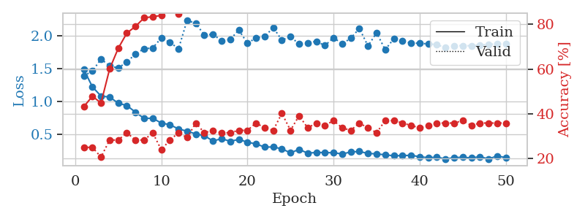
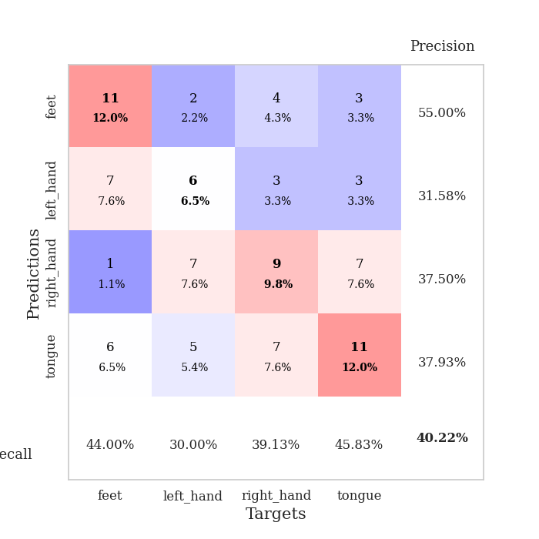
train_loss | valid_loss | train_accuracy | valid_accuracy | dur | train_misclass | valid_misclass
1.4850838392 | 1.3901366099 | 0.43206521739 | 0.25 | 0.077921628952 | 43.206521739 | 25
1.2226807631 | 1.4629738849 | 0.47826086957 | 0.25 | 0.077117204666 | 47.826086957 | 25
1.0806188013 | 1.6470566936 | 0.44836956522 | 0.20652173913 | 0.077133655548 | 44.836956522 | 20.652173913
1.0665552746 | 1.5415071353 | 0.60054347826 | 0.28260869565 | 0.077738285065 | 60.054347826 | 28.260869565
0.97297981511 | 1.5099057477 | 0.69293478261 | 0.28260869565 | 0.077625751495 | 69.293478261 | 28.260869565
0.93712116065 | 1.6012312588 | 0.76086956522 | 0.3152173913 | 0.077605724335 | 76.086956522 | 31.52173913
0.83544410441 | 1.7232633363 | 0.79076086957 | 0.28260869565 | 0.078036308289 | 79.076086957 | 28.260869565
0.74063246406 | 1.8041953626 | 0.82880434783 | 0.28260869565 | 0.077532052994 | 82.880434783 | 28.260869565
0.74302410432 | 1.8148937122 | 0.83423913043 | 0.3152173913 | 0.077365398407 | 83.423913043 | 31.52173913
0.66913233244 | 1.9683469378 | 0.83967391304 | 0.23913043478 | 0.077415466309 | 83.967391304 | 23.913043478
0.64517273721 | 1.903353971 | 0.89130434783 | 0.28260869565 | 0.077743768692 | 89.130434783 | 28.260869565
0.57814141201 | 1.8023848585 | 0.84510869565 | 0.3152173913 | 0.077375411987 | 84.510869565 | 31.52173913
0.54670298229 | 2.2411524213 | 0.86684782609 | 0.29347826087 | 0.077663898468 | 86.684782609 | 29.347826087
0.50262891858 | 2.187608128 | 0.90489130435 | 0.35869565217 | 0.080676555634 | 90.489130435 | 35.869565217
0.47689083737 | 2.0162111262 | 0.94293478261 | 0.3152173913 | 0.077233076096 | 94.293478261 | 31.52173913
0.3955225478 | 2.0222225604 | 0.96467391304 | 0.32608695652 | 0.077473163605 | 96.467391304 | 32.608695652
0.43145283085 | 1.9272909579 | 0.89945652174 | 0.3152173913 | 0.077799797058 | 89.945652174 | 31.52173913
0.39104636532 | 1.9442038329 | 0.95652173913 | 0.3152173913 | 0.077481985092 | 95.652173913 | 31.52173913
0.41930530641 | 2.0904635243 | 0.97554347826 | 0.32608695652 | 0.07755112648 | 97.554347826 | 32.608695652
0.37781767547 | 1.8871623537 | 0.97826086957 | 0.32608695652 | 0.077929496765 | 97.826086957 | 32.608695652
0.35058362102 | 1.9693693804 | 0.98369565217 | 0.35869565217 | 0.077556371689 | 98.369565217 | 35.869565217
0.30327725605 | 1.9898194126 | 0.98913043478 | 0.33695652174 | 0.07763171196 | 98.913043478 | 33.695652174
0.30414774755 | 2.1270883394 | 0.98097826087 | 0.32608695652 | 0.077900886536 | 98.097826087 | 32.608695652
0.27653228718 | 1.9352062267 | 0.99184782609 | 0.40217391304 | 0.07790517807 | 99.184782609 | 40.217391304
0.21417896935 | 1.986434413 | 0.98913043478 | 0.32608695652 | 0.077916622162 | 98.913043478 | 32.608695652
0.26790808012 | 1.8769093389 | 0.99184782609 | 0.39130434783 | 0.077911138535 | 99.184782609 | 39.130434783
0.20940439662 | 1.8937389177 | 0.99184782609 | 0.33695652174 | 0.077917575836 | 99.184782609 | 33.695652174
0.22149558106 | 1.9171110184 | 0.9972826087 | 0.35869565217 | 0.077951669693 | 99.72826087 | 35.869565217
0.21843287025 | 1.8517633677 | 0.99456521739 | 0.34782608696 | 0.077882528305 | 99.456521739 | 34.782608696
0.21627285947 | 1.9723615024 | 0.99456521739 | 0.36956521739 | 0.077582359314 | 99.456521739 | 36.956521739
0.19835102542 | 1.8796836449 | 0.9972826087 | 0.33695652174 | 0.077996969223 | 99.72826087 | 33.695652174
0.22750571953 | 1.9632625217 | 0.9972826087 | 0.32608695652 | 0.077850341797 | 99.72826087 | 32.608695652
0.23591324072 | 2.114039447 | 0.99456521739 | 0.35869565217 | 0.077879190445 | 99.456521739 | 35.869565217
0.20571510008 | 1.8456989112 | 0.9972826087 | 0.33695652174 | 0.077728509903 | 99.72826087 | 33.695652174
0.19917118776 | 2.0479290848 | 0.99456521739 | 0.3152173913 | 0.077315330505 | 99.456521739 | 31.52173913
0.1842041291 | 1.7890078659 | 0.9972826087 | 0.36956521739 | 0.07768034935 | 99.72826087 | 36.956521739
0.17016617063 | 1.9570045834 | 0.9972826087 | 0.36956521739 | 0.077498674393 | 99.72826087 | 36.956521739
0.17295500312 | 1.9221907284 | 0.9972826087 | 0.35869565217 | 0.078063249588 | 99.72826087 | 35.869565217
0.1771918898 | 1.8930930677 | 0.9972826087 | 0.34782608696 | 0.077686548233 | 99.72826087 | 34.782608696
0.15641455984 | 1.8868242761 | 0.9972826087 | 0.33695652174 | 0.077950954437 | 99.72826087 | 33.695652174
0.14017065598 | 1.8772396264 | 0.9972826087 | 0.34782608696 | 0.078130245209 | 99.72826087 | 34.782608696
0.14923721034 | 1.8674754837 | 0.9972826087 | 0.35869565217 | 0.078294277191 | 99.72826087 | 35.869565217
0.12206719071 | 1.8186189403 | 0.9972826087 | 0.35869565217 | 0.077778816223 | 99.72826087 | 35.869565217
0.14087217334 | 1.8510047871 | 0.9972826087 | 0.35869565217 | 0.077960729599 | 99.72826087 | 35.869565217
0.14861214242 | 1.8510202273 | 0.9972826087 | 0.36956521739 | 0.077656269073 | 99.72826087 | 36.956521739
0.13588655934 | 1.8490467331 | 0.9972826087 | 0.34782608696 | 0.078224182129 | 99.72826087 | 34.782608696
0.15674111798 | 1.860385024 | 0.9972826087 | 0.35869565217 | 0.077653884888 | 99.72826087 | 35.869565217
0.12159492173 | 1.8720214108 | 0.9972826087 | 0.35869565217 | 0.077492713928 | 99.72826087 | 35.869565217
0.16687290711 | 1.8758190196 | 0.9972826087 | 0.35869565217 | 0.077736139297 | 99.72826087 | 35.869565217
0.14174581238 | 1.8777666558 | 0.9972826087 | 0.35869565217 | 0.07769036293 | 99.72826087 | 35.869565217

Best Val accuracy is 0.40217391304347827 and Best test accuracy is 0.33620689655172414

Sheet5
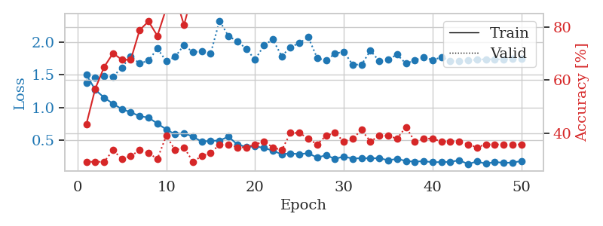
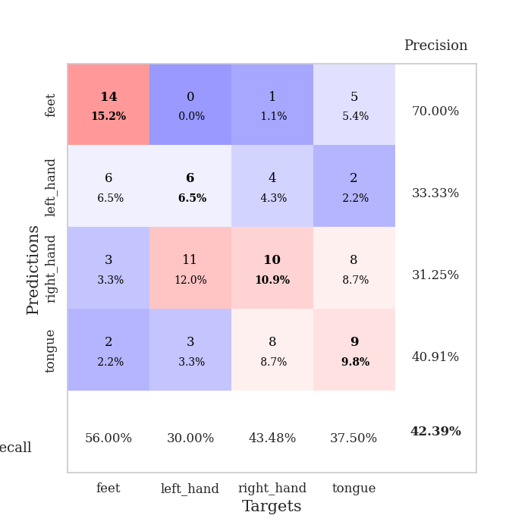
train_loss | valid_loss | train_accuracy | valid_accuracy | dur | train_misclass | valid_misclass
1.5019453401 | 1.3729053425 | 0.4347826087 | 0.29347826087 | 0.077844619751 | 43.47826087 | 29.347826087
1.2716719016 | 1.4544096356 | 0.56793478261 | 0.29347826087 | 0.077869415283 | 56.793478261 | 29.347826087
1.1517557968 | 1.4811222035 | 0.64945652174 | 0.29347826087 | 0.077670812607 | 64.945652174 | 29.347826087
1.0565870171 | 1.4734495619 | 0.70108695652 | 0.33695652174 | 0.077470302582 | 70.108695652 | 33.695652174
0.97444163716 | 1.61519685 | 0.67663043478 | 0.30434782609 | 0.077904462814 | 67.663043478 | 30.434782609
0.92651789862 | 1.7864188733 | 0.67663043478 | 0.3152173913 | 0.07771229744 | 67.663043478 | 31.52173913
0.86593554072 | 1.6758826556 | 0.78804347826 | 0.33695652174 | 0.077855348587 | 78.804347826 | 33.695652174
0.84467479198 | 1.7206663878 | 0.82065217391 | 0.32608695652 | 0.077793598175 | 82.065217391 | 32.608695652
0.75219011566 | 1.9057197674 | 0.76630434783 | 0.30434782609 | 0.077673912048 | 76.630434783 | 30.434782609
0.66320580374 | 1.7111330447 | 0.86956521739 | 0.39130434783 | 0.077635765076 | 86.956521739 | 39.130434783
0.58634316403 | 1.7791262554 | 0.91576086957 | 0.33695652174 | 0.077661037445 | 91.576086957 | 33.695652174
0.606983098 | 1.959554921 | 0.80706521739 | 0.34782608696 | 0.077782869339 | 80.706521739 | 34.782608696
0.55028155964 | 1.8477381986 | 0.93206521739 | 0.29347826087 | 0.077767133713 | 93.206521739 | 29.347826087
0.47453762267 | 1.8666915945 | 0.92663043478 | 0.3152173913 | 0.077865839005 | 92.663043478 | 31.52173913
0.48822186175 | 1.830785176 | 0.95652173913 | 0.32608695652 | 0.077577590942 | 95.652173913 | 32.608695652
0.49044048786 | 2.3334168662 | 0.8777173913 | 0.35869565217 | 0.077825784683 | 87.77173913 | 35.869565217
0.55243320212 | 2.0969005253 | 0.9347826087 | 0.35869565217 | 0.077837944031 | 93.47826087 | 35.869565217
0.43111614235 | 2.0190421343 | 0.95923913043 | 0.34782608696 | 0.077682256699 | 95.923913043 | 34.782608696
0.39274883983 | 1.9035454781 | 0.95108695652 | 0.34782608696 | 0.077744007111 | 95.108695652 | 34.782608696
0.40013230657 | 1.7339063261 | 0.98369565217 | 0.35869565217 | 0.077927350998 | 98.369565217 | 35.869565217
0.38108391153 | 1.95274253 | 0.97826086957 | 0.36956521739 | 0.077840089798 | 97.826086957 | 36.956521739
0.33429578076 | 2.0468202933 | 0.97010869565 | 0.34782608696 | 0.076940536499 | 97.010869565 | 34.782608696
0.28213469587 | 1.7890201807 | 0.98913043478 | 0.33695652174 | 0.076913356781 | 98.913043478 | 33.695652174
0.29343728462 | 1.9261661664 | 0.98641304348 | 0.40217391304 | 0.076918125153 | 98.641304348 | 40.217391304
0.2828138597 | 1.9919763285 | 0.98913043478 | 0.40217391304 | 0.077050447464 | 98.913043478 | 40.217391304
0.29649766308 | 2.0788056332 | 0.97554347826 | 0.38043478261 | 0.07748913765 | 97.554347826 | 38.043478261
0.22877548991 | 1.760417933 | 0.98641304348 | 0.35869565217 | 0.077610015869 | 98.641304348 | 35.869565217
0.26671527877 | 1.721069735 | 0.98913043478 | 0.39130434783 | 0.077518939972 | 98.913043478 | 39.130434783
0.2093757067 | 1.8280683963 | 0.99456521739 | 0.40217391304 | 0.077647209167 | 99.456521739 | 40.217391304
0.24558934472 | 1.8575079078 | 1 | 0.36956521739 | 0.077441692352 | 100 | 36.956521739
0.21343848255 | 1.6579128296 | 0.99184782609 | 0.38043478261 | 0.077699184418 | 99.184782609 | 38.043478261
0.2214650745 | 1.659996862 | 0.99456521739 | 0.41304347826 | 0.077675580978 | 99.456521739 | 41.304347826
0.2170404753 | 1.8728636814 | 0.99456521739 | 0.36956521739 | 0.077813386917 | 99.456521739 | 36.956521739
0.22125767625 | 1.7130047342 | 0.9972826087 | 0.39130434783 | 0.077818632126 | 99.72826087 | 39.130434783
0.18744112656 | 1.736417335 | 0.99456521739 | 0.39130434783 | 0.077663898468 | 99.456521739 | 39.130434783
0.21008131621 | 1.8126789435 | 0.9972826087 | 0.38043478261 | 0.077542066574 | 99.72826087 | 38.043478261
0.17760717383 | 1.6745479418 | 1 | 0.42391304348 | 0.077518701553 | 100 | 42.391304348
0.16700733161 | 1.7250396532 | 1 | 0.36956521739 | 0.077754735947 | 100 | 36.956521739
0.17452136006 | 1.77502529 | 1 | 0.38043478261 | 0.077681064606 | 100 | 38.043478261
0.15762518354 | 1.7283061276 | 1 | 0.38043478261 | 0.077577114105 | 100 | 38.043478261
0.16067140177 | 1.772776583 | 1 | 0.36956521739 | 0.079872608185 | 100 | 36.956521739
0.16325575243 | 1.7169891026 | 1 | 0.36956521739 | 0.077781438828 | 100 | 36.956521739
0.18853496015 | 1.7142926869 | 1 | 0.36956521739 | 0.077687978745 | 100 | 36.956521739
0.13029068935 | 1.7271707835 | 1 | 0.35869565217 | 0.078981161118 | 100 | 35.869565217
0.17013196599 | 1.7326788643 | 1 | 0.34782608696 | 0.077966451645 | 100 | 34.782608696
0.13532292495 | 1.7428734199 | 1 | 0.35869565217 | 0.07780623436 | 100 | 35.869565217
0.16125485001 | 1.739683229 | 1 | 0.35869565217 | 0.07772898674 | 100 | 35.869565217
0.14965496407 | 1.7420434071 | 1 | 0.35869565217 | 0.077667951584 | 100 | 35.869565217
0.15160375153 | 1.7444523262 | 1 | 0.35869565217 | 0.077734708786 | 100 | 35.869565217
0.17702988325 | 1.745949968 | 1 | 0.35869565217 | 0.077845811844 | 100 | 35.869565217

Best Val accuracy is 0.42391304347826086 and Best test accuracy is 0.43103448275862066

Sheet6
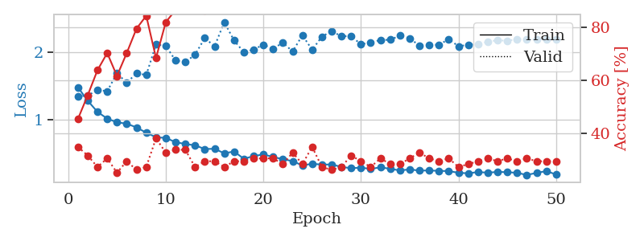
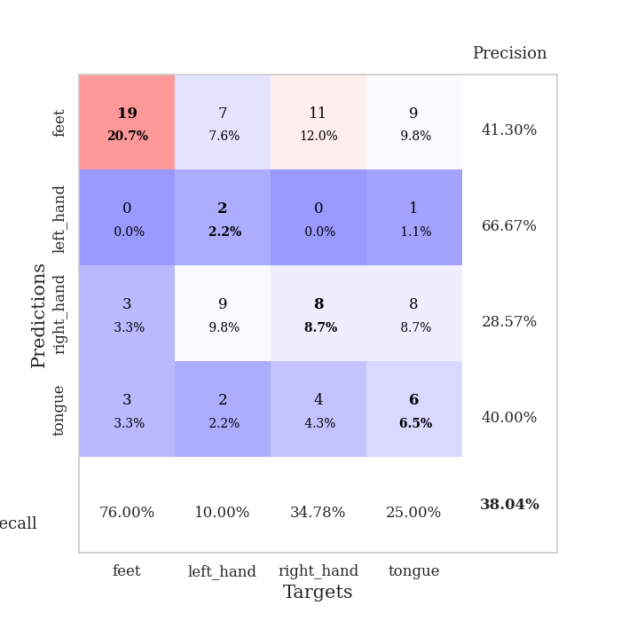
train_loss | valid_loss | train_accuracy | valid_accuracy | dur | train_misclass | valid_misclass
1.4802177937 | 1.3475246067 | 0.45380434783 | 0.34782608696 | 0.07835316658 | 45.380434783 | 34.782608696
1.2802614725 | 1.3547631709 | 0.54347826087 | 0.3152173913 | 0.077542543411 | 54.347826087 | 31.52173913
1.113456397 | 1.4424777186 | 0.63858695652 | 0.27173913043 | 0.077257156372 | 63.858695652 | 27.173913043
1.0126543926 | 1.422124588 | 0.70380434783 | 0.30434782609 | 0.077779769897 | 70.380434783 | 30.434782609
0.95711477684 | 1.6914137135 | 0.61684782609 | 0.25 | 0.077667951584 | 61.684782609 | 25
0.93701090502 | 1.5475363369 | 0.70380434783 | 0.29347826087 | 0.077788829803 | 70.380434783 | 29.347826087
0.88069757949 | 1.6910673069 | 0.79619565217 | 0.26086956522 | 0.077861785889 | 79.619565217 | 26.086956522
0.80229066118 | 1.6643376402 | 0.84510869565 | 0.27173913043 | 0.077291488647 | 84.510869565 | 27.173913043
0.73370963983 | 2.1196730862 | 0.6847826087 | 0.38043478261 | 0.07757973671 | 68.47826087 | 38.043478261
0.72409418614 | 2.1006030622 | 0.82065217391 | 0.32608695652 | 0.077907800674 | 82.065217391 | 32.608695652
0.66078278552 | 1.8816331677 | 0.86684782609 | 0.33695652174 | 0.077506542206 | 86.684782609 | 33.695652174
0.63303015025 | 1.8559727099 | 0.88586956522 | 0.33695652174 | 0.077807426453 | 88.586956522 | 33.695652174
0.61345044945 | 1.9691904265 | 0.92391304348 | 0.27173913043 | 0.077924728394 | 92.391304348 | 27.173913043
0.5579496026 | 2.2165414458 | 0.86413043478 | 0.29347826087 | 0.077829837799 | 86.413043478 | 29.347826087
0.56173319855 | 2.0927516948 | 0.91847826087 | 0.29347826087 | 0.07773733139 | 91.847826087 | 29.347826087
0.49401636551 | 2.4550928137 | 0.92119565217 | 0.27173913043 | 0.077810049057 | 92.119565217 | 27.173913043
0.52112032667 | 2.1795056592 | 0.92934782609 | 0.29347826087 | 0.077906608582 | 92.934782609 | 29.347826087
0.41235421209 | 2.0061044745 | 0.94836956522 | 0.29347826087 | 0.077773094177 | 94.836956522 | 29.347826087
0.45207809884 | 2.0453159498 | 0.95923913043 | 0.30434782609 | 0.07777261734 | 95.923913043 | 30.434782609
0.47763563239 | 2.1168460794 | 0.96195652174 | 0.30434782609 | 0.077922821045 | 96.195652174 | 30.434782609
0.43865196796 | 2.0559308995 | 0.96467391304 | 0.30434782609 | 0.077714204788 | 96.467391304 | 30.434782609
0.40673133213 | 2.1492039069 | 0.97554347826 | 0.28260869565 | 0.077732801437 | 97.554347826 | 28.260869565
0.37670097468 | 2.0151255183 | 0.98097826087 | 0.32608695652 | 0.077888965607 | 98.097826087 | 32.608695652
0.31320809281 | 2.2586946073 | 0.98641304348 | 0.28260869565 | 0.077947854996 | 98.641304348 | 28.260869565
0.3372075467 | 2.0420137126 | 0.98097826087 | 0.34782608696 | 0.077862024307 | 98.097826087 | 34.782608696
0.3254374609 | 2.2368431506 | 0.98913043478 | 0.27173913043 | 0.077705144882 | 98.913043478 | 27.173913043
0.32700273524 | 2.3218185124 | 0.99456521739 | 0.26086956522 | 0.077724933624 | 99.456521739 | 26.086956522
0.29089412935 | 2.2419209532 | 0.99184782609 | 0.27173913043 | 0.07780790329 | 99.184782609 | 27.173913043
0.27086077922 | 2.2485492903 | 0.99456521739 | 0.3152173913 | 0.077479839325 | 99.456521739 | 31.52173913
0.28062838446 | 2.1207708535 | 0.98913043478 | 0.29347826087 | 0.078653335571 | 98.913043478 | 29.347826087
0.25955974813 | 2.1538780513 | 0.99184782609 | 0.27173913043 | 0.077629566193 | 99.184782609 | 27.173913043
0.28520047584 | 2.1867067503 | 0.99184782609 | 0.30434782609 | 0.079170227051 | 99.184782609 | 30.434782609
0.26187871559 | 2.191183821 | 0.99456521739 | 0.28260869565 | 0.078645706177 | 99.456521739 | 28.260869565
0.23795776393 | 2.2538612252 | 0.9972826087 | 0.28260869565 | 0.07796049118 | 99.72826087 | 28.260869565
0.25374348688 | 2.2116219842 | 0.99456521739 | 0.30434782609 | 0.077589035034 | 99.456521739 | 30.434782609
0.23487457277 | 2.1035394824 | 0.99456521739 | 0.32608695652 | 0.078593492508 | 99.456521739 | 32.608695652
0.2381972128 | 2.1150613453 | 0.99456521739 | 0.30434782609 | 0.077862739563 | 99.456521739 | 30.434782609
0.23093012137 | 2.1160011136 | 0.99456521739 | 0.29347826087 | 0.077811479568 | 99.456521739 | 29.347826087
0.22889967101 | 2.2005091802 | 0.9972826087 | 0.30434782609 | 0.077969312668 | 99.72826087 | 30.434782609
0.20222923548 | 2.0934861225 | 0.9972826087 | 0.27173913043 | 0.077086925507 | 99.72826087 | 27.173913043
0.19521538168 | 2.1168199207 | 0.9972826087 | 0.28260869565 | 0.076909303665 | 99.72826087 | 28.260869565
0.21391427387 | 2.1286029349 | 0.9972826087 | 0.29347826087 | 0.076846122742 | 99.72826087 | 29.347826087
0.20466971009 | 2.1607980884 | 0.9972826087 | 0.30434782609 | 0.076840639114 | 99.72826087 | 30.434782609
0.21560133686 | 2.1852967791 | 0.9972826087 | 0.29347826087 | 0.076856613159 | 99.72826087 | 29.347826087
0.21240018098 | 2.1744001896 | 0.9972826087 | 0.30434782609 | 0.07687330246 | 99.72826087 | 30.434782609
0.20172506943 | 2.2029239043 | 0.9972826087 | 0.29347826087 | 0.07689332962 | 99.72826087 | 29.347826087
0.17088609383 | 2.1967556217 | 0.9972826087 | 0.30434782609 | 0.076829195023 | 99.72826087 | 30.434782609
0.20107164655 | 2.1950220336 | 0.9972826087 | 0.29347826087 | 0.076889753342 | 99.72826087 | 29.347826087
0.22812650418 | 2.1955210592 | 0.9972826087 | 0.29347826087 | 0.078882932663 | 99.72826087 | 29.347826087
0.17739070758 | 2.1966871956 | 0.9972826087 | 0.29347826087 | 0.07811832428 | 99.72826087 | 29.347826087

Best Val accuracy is 0.3804347826086957 and Best test accuracy is 0.3103448275862069

Sheet7
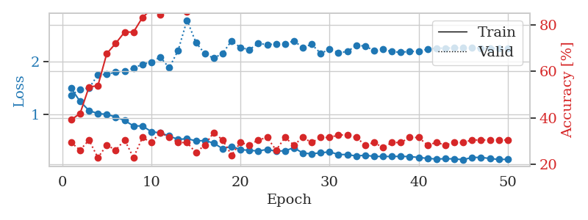
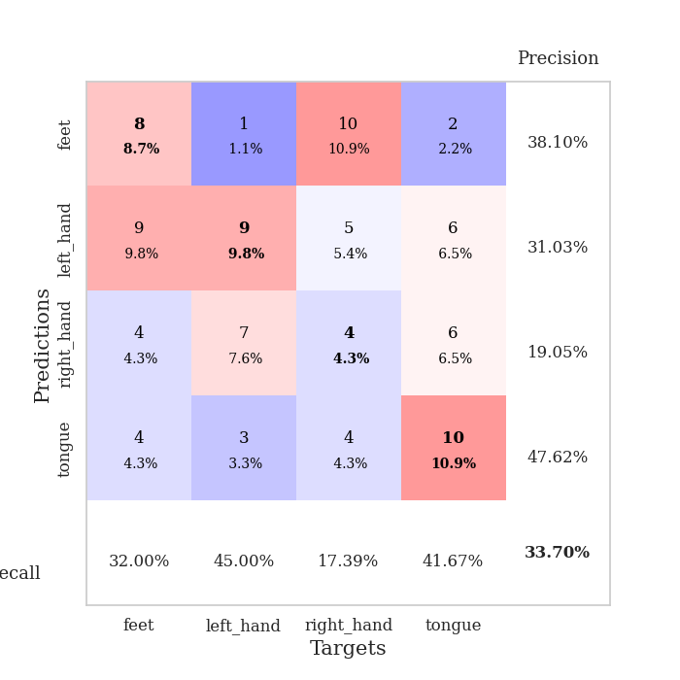
train_loss | valid_loss | train_accuracy | valid_accuracy | dur | train_misclass | valid_misclass
1.4980592365 | 1.3680708719 | 0.39130434783 | 0.29347826087 | 0.078364610672 | 39.130434783 | 29.347826087
1.249722727 | 1.482140142 | 0.41847826087 | 0.26086956522 | 0.077508926392 | 41.847826087 | 26.086956522
1.0772849244 | 1.5016932021 | 0.53260869565 | 0.30434782609 | 0.077267169952 | 53.260869565 | 30.434782609
1.0170759248 | 1.7539962064 | 0.53804347826 | 0.22826086957 | 0.077772378922 | 53.804347826 | 22.826086957
1.0052232457 | 1.7634723808 | 0.67663043478 | 0.28260869565 | 0.077696800232 | 67.663043478 | 28.260869565
0.95339455553 | 1.8091286473 | 0.72010869565 | 0.26086956522 | 0.077922344208 | 72.010869565 | 26.086956522
0.88642439635 | 1.824551883 | 0.76902173913 | 0.30434782609 | 0.077873468399 | 76.902173913 | 30.434782609
0.78328754332 | 1.8812152717 | 0.76902173913 | 0.22826086957 | 0.078085184097 | 76.902173913 | 22.826086957
0.78387020723 | 1.9566080363 | 0.83152173913 | 0.3152173913 | 0.078102111816 | 83.152173913 | 31.52173913
0.67393351638 | 1.9961840484 | 0.86684782609 | 0.29347826087 | 0.078125238419 | 86.684782609 | 29.347826087
0.6511753642 | 2.0930913428 | 0.84510869565 | 0.33695652174 | 0.078253269196 | 84.510869565 | 33.695652174
0.59241310669 | 1.8884877433 | 0.88315217391 | 0.3152173913 | 0.078497409821 | 88.315217391 | 31.52173913
0.52548824315 | 2.2159090146 | 0.92663043478 | 0.29347826087 | 0.077736377716 | 92.663043478 | 29.347826087
0.54300361094 | 2.7944222637 | 0.85597826087 | 0.29347826087 | 0.077744007111 | 85.597826087 | 29.347826087
0.49823351269 | 2.3721541944 | 0.93206521739 | 0.25 | 0.078279256821 | 93.206521739 | 25
0.50577111639 | 2.1555621417 | 0.96467391304 | 0.28260869565 | 0.077809333801 | 96.467391304 | 28.260869565
0.45746548344 | 2.0706036505 | 0.96195652174 | 0.33695652174 | 0.07793545723 | 96.195652174 | 33.695652174
0.35040559263 | 2.164684446 | 0.97282608696 | 0.30434782609 | 0.078329563141 | 97.282608696 | 30.434782609
0.39525270009 | 2.4011140699 | 0.97554347826 | 0.23913043478 | 0.077516555786 | 97.554347826 | 23.913043478
0.33418544803 | 2.2738769884 | 0.98641304348 | 0.29347826087 | 0.077802419662 | 98.641304348 | 29.347826087
0.31877318834 | 2.2334268819 | 0.99184782609 | 0.28260869565 | 0.078269481659 | 99.184782609 | 28.260869565
0.30767120097 | 2.3555432714 | 0.99184782609 | 0.30434782609 | 0.07787156105 | 99.184782609 | 30.434782609
0.33761835066 | 2.326969012 | 0.97554347826 | 0.3152173913 | 0.077786445618 | 97.554347826 | 31.52173913
0.30303909208 | 2.3468084232 | 0.98913043478 | 0.26086956522 | 0.078352689743 | 98.913043478 | 26.086956522
0.31253126426 | 2.3475416743 | 0.98913043478 | 0.3152173913 | 0.0775847435 | 98.913043478 | 31.52173913
0.36814697767 | 2.3999087292 | 0.98913043478 | 0.28260869565 | 0.07780790329 | 98.913043478 | 28.260869565
0.26768786444 | 2.2734535777 | 0.99184782609 | 0.3152173913 | 0.078389644623 | 99.184782609 | 31.52173913
0.25361822141 | 2.335205669 | 0.99456521739 | 0.29347826087 | 0.077955245972 | 99.456521739 | 29.347826087
0.27270787501 | 2.1637590242 | 0.99184782609 | 0.3152173913 | 0.078220844269 | 99.184782609 | 31.52173913
0.29071451724 | 2.2391575523 | 0.9972826087 | 0.3152173913 | 0.078534126282 | 99.72826087 | 31.52173913
0.23965231783 | 2.1764221865 | 0.99184782609 | 0.32608695652 | 0.07799744606 | 99.184782609 | 32.608695652
0.24006116585 | 2.1970380441 | 0.9972826087 | 0.32608695652 | 0.077894926071 | 99.72826087 | 32.608695652
0.21057582485 | 2.315370342 | 0.9972826087 | 0.3152173913 | 0.07777261734 | 99.72826087 | 31.52173913
0.22762929016 | 2.3032443316 | 0.9972826087 | 0.28260869565 | 0.078114509583 | 99.72826087 | 28.260869565
0.20400581833 | 2.2140910936 | 0.9972826087 | 0.29347826087 | 0.078159809113 | 99.72826087 | 29.347826087
0.20329070917 | 2.239633923 | 0.99456521739 | 0.27173913043 | 0.078424692154 | 99.456521739 | 27.173913043
0.20243501048 | 2.1965664677 | 0.9972826087 | 0.29347826087 | 0.07798242569 | 99.72826087 | 29.347826087
0.20557075868 | 2.1830398311 | 0.9972826087 | 0.29347826087 | 0.078023910522 | 99.72826087 | 29.347826087
0.20038899391 | 2.2009309064 | 0.9972826087 | 0.3152173913 | 0.082251787186 | 99.72826087 | 31.52173913
0.18499835419 | 2.2028861668 | 0.9972826087 | 0.3152173913 | 0.078271627426 | 99.72826087 | 31.52173913
0.16620872947 | 2.2422300318 | 1 | 0.28260869565 | 0.078329801559 | 100 | 28.260869565
0.15462966393 | 2.2636335518 | 1 | 0.29347826087 | 0.078471899033 | 100 | 29.347826087
0.15936275993 | 2.2611974944 | 1 | 0.28260869565 | 0.0782122612 | 100 | 28.260869565
0.15784418518 | 2.2692362848 | 1 | 0.29347826087 | 0.078146696091 | 100 | 29.347826087
0.14188403928 | 2.2677036057 | 1 | 0.29347826087 | 0.078528165817 | 100 | 29.347826087
0.18409869852 | 2.2661427415 | 1 | 0.30434782609 | 0.078125 | 100 | 30.434782609
0.18558917033 | 2.262861003 | 1 | 0.30434782609 | 0.078167915344 | 100 | 30.434782609
0.16427532405 | 2.2619525142 | 1 | 0.30434782609 | 0.078606128693 | 100 | 30.434782609
0.1463382168 | 2.2624935793 | 1 | 0.30434782609 | 0.078187942505 | 100 | 30.434782609
0.1488287674 | 2.2626701853 | 1 | 0.30434782609 | 0.078262090683 | 100 | 30.434782609

Best Val accuracy is 0.33695652173913043 and Best test accuracy is 0.3103448275862069

Sheet8
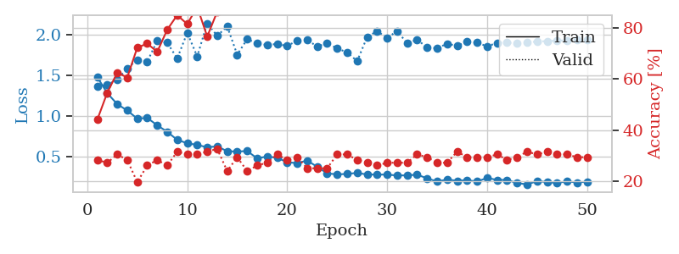
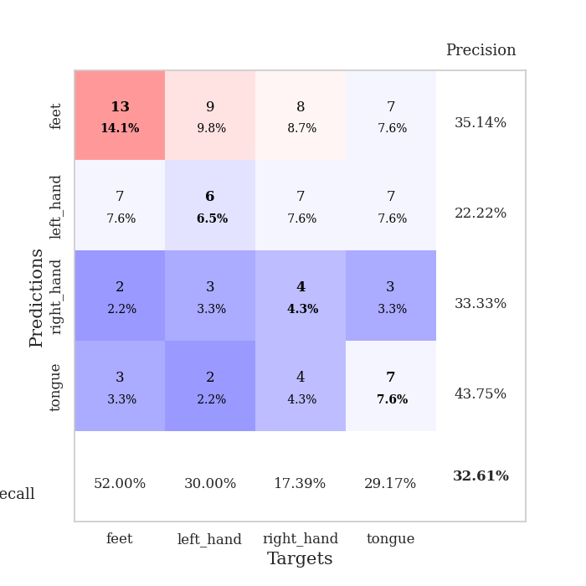
train_loss | valid_loss | train_accuracy | valid_accuracy | dur | train_misclass | valid_misclass
1.481962261 | 1.3717370863 | 0.4402173913 | 0.28260869565 | 0.078716039658 | 44.02173913 | 28.260869565
1.2838135077 | 1.3850716871 | 0.54619565217 | 0.27173913043 | 0.077863693237 | 54.619565217 | 27.173913043
1.1484543966 | 1.4532022632 | 0.625 | 0.30434782609 | 0.077748537064 | 62.5 | 30.434782609
1.070045593 | 1.5905256997 | 0.60597826087 | 0.28260869565 | 0.078478574753 | 60.597826087 | 28.260869565
0.96986938819 | 1.6961048064 | 0.72282608696 | 0.19565217391 | 0.078126907349 | 72.282608696 | 19.565217391
0.97929212062 | 1.6740842695 | 0.73913043478 | 0.26086956522 | 0.078463077545 | 73.913043478 | 26.086956522
0.8872660554 | 1.9277645194 | 0.70652173913 | 0.28260869565 | 0.07804441452 | 70.652173913 | 28.260869565
0.80717326118 | 1.9060007697 | 0.79347826087 | 0.26086956522 | 0.078118085861 | 79.347826087 | 26.086956522
0.70749200816 | 1.7122165017 | 0.85054347826 | 0.3152173913 | 0.0782289505 | 85.054347826 | 31.52173913
0.66602728289 | 2.0293057898 | 0.8152173913 | 0.30434782609 | 0.078303575516 | 81.52173913 | 30.434782609
0.64482741771 | 1.7363144315 | 0.88315217391 | 0.30434782609 | 0.07817864418 | 88.315217391 | 30.434782609
0.61630535514 | 2.1461095084 | 0.76630434783 | 0.3152173913 | 0.078467607498 | 76.630434783 | 31.52173913
0.62772097795 | 1.9916893399 | 0.86413043478 | 0.32608695652 | 0.078439712524 | 86.413043478 | 32.608695652
0.56692658689 | 2.1076679022 | 0.88043478261 | 0.23913043478 | 0.078248739243 | 88.043478261 | 23.913043478
0.56376087536 | 1.7594241163 | 0.92119565217 | 0.29347826087 | 0.077931880951 | 92.119565217 | 29.347826087
0.56955732729 | 1.9498958069 | 0.95652173913 | 0.23913043478 | 0.078332185745 | 95.652173913 | 23.913043478
0.4791358962 | 1.8993781028 | 0.95108695652 | 0.26086956522 | 0.078144788742 | 95.108695652 | 26.086956522
0.50212381586 | 1.8781874594 | 0.96195652174 | 0.27173913043 | 0.078019380569 | 96.195652174 | 27.173913043
0.48619655487 | 1.8918683529 | 0.96467391304 | 0.30434782609 | 0.077882289886 | 96.467391304 | 30.434782609
0.43137356639 | 1.8653031639 | 0.97554347826 | 0.28260869565 | 0.078167676926 | 97.554347826 | 28.260869565
0.42014138401 | 1.9331280874 | 0.96195652174 | 0.29347826087 | 0.0782725811 | 96.195652174 | 29.347826087
0.4520678138 | 1.9438544253 | 0.98369565217 | 0.25 | 0.07820391655 | 98.369565217 | 25
0.37565173597 | 1.8578976652 | 0.98097826087 | 0.25 | 0.078286409378 | 98.097826087 | 25
0.29402648431 | 1.9024785291 | 0.98369565217 | 0.25 | 0.078099012375 | 98.369565217 | 25
0.28124644704 | 1.8354961457 | 0.99184782609 | 0.30434782609 | 0.077961683273 | 99.184782609 | 30.434782609
0.28777043683 | 1.7878687693 | 0.97554347826 | 0.30434782609 | 0.077947616577 | 97.554347826 | 30.434782609
0.29944969195 | 1.6785065661 | 0.98369565217 | 0.28260869565 | 0.078209161758 | 98.369565217 | 28.260869565
0.27991544779 | 1.9769985054 | 0.9972826087 | 0.27173913043 | 0.078415155411 | 99.72826087 | 27.173913043
0.27949197623 | 2.0494539116 | 0.9972826087 | 0.26086956522 | 0.078075647354 | 99.72826087 | 26.086956522
0.27846288487 | 1.9655321681 | 0.99456521739 | 0.27173913043 | 0.078133821487 | 99.456521739 | 27.173913043
0.26839717283 | 2.0495525754 | 0.99456521739 | 0.27173913043 | 0.078331232071 | 99.456521739 | 27.173913043
0.26937113443 | 1.900839505 | 0.99456521739 | 0.27173913043 | 0.078192710876 | 99.456521739 | 27.173913043
0.27804717778 | 1.943656911 | 0.9972826087 | 0.30434782609 | 0.078522205353 | 99.72826087 | 30.434782609
0.23246140778 | 1.8479199306 | 0.99456521739 | 0.29347826087 | 0.078129529953 | 99.456521739 | 29.347826087
0.19325352655 | 1.8390662255 | 0.9972826087 | 0.27173913043 | 0.078189134598 | 99.72826087 | 27.173913043
0.21847809333 | 1.8939476013 | 1 | 0.27173913043 | 0.078416585922 | 100 | 27.173913043
0.20258675985 | 1.8678221806 | 1 | 0.3152173913 | 0.078602075577 | 100 | 31.52173913
0.21054028331 | 1.9191798024 | 1 | 0.29347826087 | 0.078000545502 | 100 | 29.347826087
0.19234661402 | 1.9085963291 | 1 | 0.29347826087 | 0.078177690506 | 100 | 29.347826087
0.23864422609 | 1.8611574069 | 1 | 0.29347826087 | 0.078085184097 | 100 | 29.347826087
0.21287101799 | 1.9043843746 | 1 | 0.30434782609 | 0.078252792358 | 100 | 30.434782609
0.21293769291 | 1.9077374106 | 1 | 0.28260869565 | 0.078589200974 | 100 | 28.260869565
0.17394788774 | 1.8988218411 | 1 | 0.29347826087 | 0.078305721283 | 100 | 29.347826087
0.15844133367 | 1.9068835093 | 1 | 0.3152173913 | 0.078265666962 | 100 | 31.52173913
0.19719491996 | 1.9228712683 | 1 | 0.30434782609 | 0.078456878662 | 100 | 30.434782609
0.1873544082 | 1.9254275301 | 1 | 0.3152173913 | 0.078795909882 | 100 | 31.52173913
0.17558864439 | 1.9313403109 | 1 | 0.30434782609 | 0.078680992126 | 100 | 30.434782609
0.19563590687 | 1.9368027293 | 1 | 0.30434782609 | 0.079025030136 | 100 | 30.434782609
0.18137791672 | 1.9397949447 | 1 | 0.29347826087 | 0.078383922577 | 100 | 29.347826087
0.19213292829 | 1.9422773486 | 1 | 0.29347826087 | 0.078297138214 | 100 | 29.347826087

Best Val accuracy is 0.32608695652173914 and Best test accuracy is 0.25

Sheet9
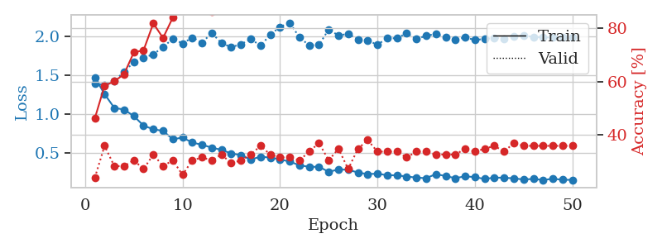
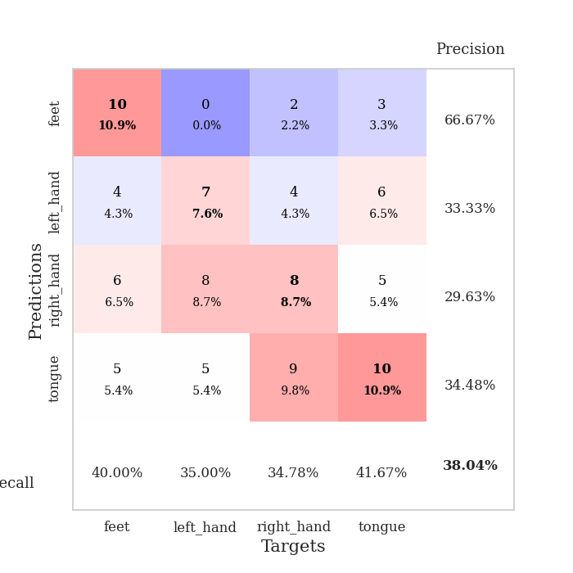
train_loss | valid_loss | train_accuracy | valid_accuracy | dur | train_misclass | valid_misclass
1.4704246262 | 1.3966021538 | 0.46195652174 | 0.23913043478 | 0.079278945923 | 46.195652174 | 23.913043478
1.2547474737 | 1.3674251308 | 0.58423913043 | 0.35869565217 | 0.078305482864 | 58.423913043 | 35.869565217
1.0780600309 | 1.4225489316 | 0.60054347826 | 0.28260869565 | 0.078423023224 | 60.054347826 | 28.260869565
1.0564621298 | 1.5425393478 | 0.6277173913 | 0.28260869565 | 0.078144073486 | 62.77173913 | 28.260869565
0.97308542677 | 1.6665152881 | 0.70923913043 | 0.30434782609 | 0.078287601471 | 70.923913043 | 30.434782609
0.85005311085 | 1.7245997761 | 0.71739130435 | 0.27173913043 | 0.078337907791 | 71.739130435 | 27.173913043
0.80330684911 | 1.765315854 | 0.81793478261 | 0.32608695652 | 0.078340530396 | 81.793478261 | 32.608695652
0.78231868796 | 1.8616530895 | 0.76358695652 | 0.28260869565 | 0.081155776978 | 76.358695652 | 28.260869565
0.67530807205 | 1.964974932 | 0.83967391304 | 0.30434782609 | 0.078207492828 | 83.967391304 | 30.434782609
0.69583245334 | 1.9070536987 | 0.89945652174 | 0.25 | 0.078465223312 | 89.945652174 | 25
0.63261693716 | 1.9812790933 | 0.91847826087 | 0.30434782609 | 0.078470468521 | 91.847826087 | 30.434782609
0.60312055116 | 1.9169477484 | 0.89402173913 | 0.3152173913 | 0.078544855118 | 89.402173913 | 31.52173913
0.56725765506 | 2.0423643174 | 0.86141304348 | 0.30434782609 | 0.078388929367 | 86.141304348 | 30.434782609
0.5379088534 | 1.9089970381 | 0.93206521739 | 0.32608695652 | 0.078431367874 | 93.206521739 | 32.608695652
0.49187079979 | 1.8601364623 | 0.95108695652 | 0.29347826087 | 0.078487634659 | 95.108695652 | 29.347826087
0.4706715462 | 1.8953054262 | 0.96467391304 | 0.30434782609 | 0.078560829163 | 96.467391304 | 30.434782609
0.41403923799 | 1.9656883219 | 0.95108695652 | 0.32608695652 | 0.078307151794 | 95.108695652 | 32.608695652
0.45030379166 | 1.8767925086 | 0.97826086957 | 0.35869565217 | 0.078214883804 | 97.826086957 | 35.869565217
0.43921468569 | 2.0194662913 | 0.97282608696 | 0.32608695652 | 0.078478813171 | 97.282608696 | 32.608695652
0.41577537811 | 2.1182896884 | 0.97282608696 | 0.3152173913 | 0.083010196686 | 97.282608696 | 31.52173913
0.38767778679 | 2.1727780985 | 0.95108695652 | 0.3152173913 | 0.078206539154 | 95.108695652 | 31.52173913
0.33987994751 | 1.9843175152 | 0.97554347826 | 0.30434782609 | 0.078414678574 | 97.554347826 | 30.434782609
0.32018198786 | 1.881796417 | 0.98369565217 | 0.33695652174 | 0.078467845917 | 98.369565217 | 33.695652174
0.32044936992 | 1.8874908997 | 0.9972826087 | 0.36956521739 | 0.078383207321 | 99.72826087 | 36.956521739
0.25626127875 | 2.0877444537 | 0.98641304348 | 0.30434782609 | 0.078567504883 | 98.641304348 | 30.434782609
0.28588114906 | 2.0088365855 | 0.9972826087 | 0.34782608696 | 0.078129291534 | 99.72826087 | 34.782608696
0.2828763976 | 2.0300349826 | 0.98369565217 | 0.27173913043 | 0.078090906143 | 98.369565217 | 27.173913043
0.24661240273 | 1.9599871169 | 0.99184782609 | 0.34782608696 | 0.078469753265 | 99.184782609 | 34.782608696
0.22633715589 | 1.9471829093 | 0.9972826087 | 0.38043478261 | 0.078455924988 | 99.72826087 | 38.043478261
0.23293423491 | 1.8886618407 | 0.99184782609 | 0.33695652174 | 0.078730583191 | 99.184782609 | 33.695652174
0.21168693317 | 1.9777541368 | 1 | 0.33695652174 | 0.0784304142 | 100 | 33.695652174
0.21151963508 | 1.971152684 | 1 | 0.33695652174 | 0.078355073929 | 100 | 33.695652174
0.19519974389 | 2.0413298607 | 1 | 0.3152173913 | 0.078422784805 | 100 | 31.52173913
0.18239951798 | 1.9623301755 | 0.99456521739 | 0.33695652174 | 0.078527450562 | 99.456521739 | 33.695652174
0.17362616891 | 2.0063363003 | 1 | 0.33695652174 | 0.078316926956 | 100 | 33.695652174
0.22751704231 | 2.0280377968 | 1 | 0.32608695652 | 0.078330278397 | 100 | 32.608695652
0.20063762043 | 1.9917828259 | 1 | 0.32608695652 | 0.078450918198 | 100 | 32.608695652
0.17456232206 | 1.9580126845 | 1 | 0.32608695652 | 0.078493356705 | 100 | 32.608695652
0.19837598503 | 1.9838201326 | 1 | 0.34782608696 | 0.078424453735 | 100 | 34.782608696
0.18757755212 | 1.9512909443 | 1 | 0.33695652174 | 0.078397035599 | 100 | 33.695652174
0.16401352814 | 1.9651514499 | 1 | 0.34782608696 | 0.07844209671 | 100 | 34.782608696
0.18219487094 | 1.9771009943 | 1 | 0.35869565217 | 0.078608036041 | 100 | 35.869565217
0.17948599937 | 1.9698709198 | 1 | 0.33695652174 | 0.078562259674 | 100 | 33.695652174
0.17217842943 | 1.9951692094 | 1 | 0.36956521739 | 0.078464508057 | 100 | 36.956521739
0.15679008676 | 2.0059587282 | 1 | 0.35869565217 | 0.078663110733 | 100 | 35.869565217
0.16518622248 | 1.9921359757 | 1 | 0.35869565217 | 0.078441143036 | 100 | 35.869565217
0.15077072107 | 1.9858516973 | 1 | 0.35869565217 | 0.078430652618 | 100 | 35.869565217
0.16694430489 | 1.9835213734 | 1 | 0.35869565217 | 0.078557252884 | 100 | 35.869565217
0.15396616997 | 1.9861158495 | 1 | 0.35869565217 | 0.078504323959 | 100 | 35.869565217
0.15246078826 | 1.9876871679 | 1 | 0.35869565217 | 0.078912734985 | 100 | 35.869565217

Best Val accuracy is 0.3804347826086957 and Best test accuracy is 0.35344827586206895

Sheet10
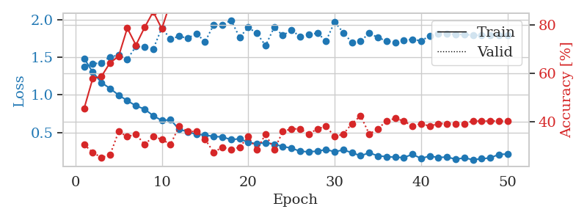
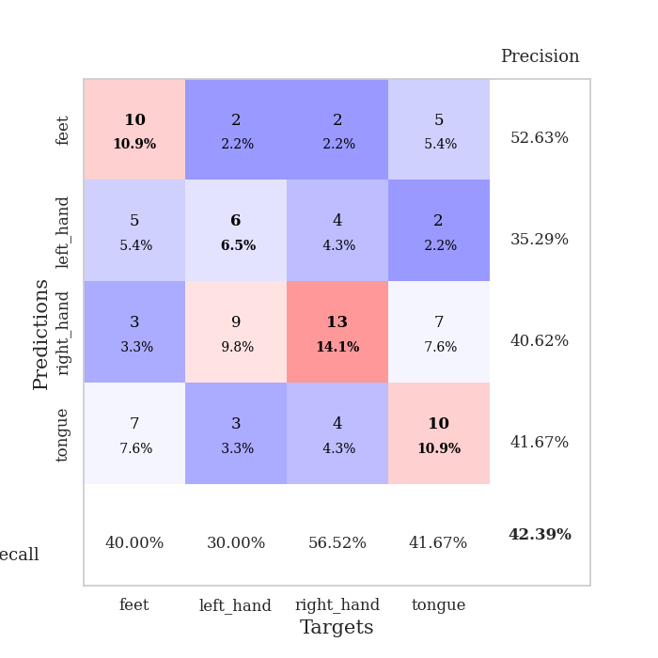
train_loss | valid_loss | train_accuracy | valid_accuracy | dur | train_misclass | valid_misclass
1.4867470783 | 1.3726353283 | 0.45380434783 | 0.30434782609 | 0.079043149948 | 45.380434783 | 30.434782609
1.3035129879 | 1.4139819923 | 0.57880434783 | 0.27173913043 | 0.078195333481 | 57.880434783 | 27.173913043
1.1649989512 | 1.4286322024 | 0.58695652174 | 0.25 | 0.077657222748 | 58.695652174 | 25
1.0860087949 | 1.5068568147 | 0.64402173913 | 0.26086956522 | 0.078171014786 | 64.402173913 | 26.086956522
0.99773597717 | 1.5277936407 | 0.67119565217 | 0.35869565217 | 0.078321218491 | 67.119565217 | 35.869565217
0.92386116152 | 1.4749817071 | 0.78804347826 | 0.33695652174 | 0.078172445297 | 78.804347826 | 33.695652174
0.85488326653 | 1.6452792883 | 0.71739130435 | 0.34782608696 | 0.077891111374 | 71.739130435 | 34.782608696
0.81197384777 | 1.6359940715 | 0.79076086957 | 0.30434782609 | 0.084001779556 | 79.076086957 | 30.434782609
0.72289800385 | 1.6114489255 | 0.85597826087 | 0.33695652174 | 0.077957630157 | 85.597826087 | 33.695652174
0.65988280203 | 1.8930600208 | 0.78532608696 | 0.32608695652 | 0.077643871307 | 78.532608696 | 32.608695652
0.66943615286 | 1.741980081 | 0.89673913043 | 0.30434782609 | 0.077704429626 | 89.673913043 | 30.434782609
0.54294452719 | 1.7822117184 | 0.90217391304 | 0.38043478261 | 0.077598333359 | 90.217391304 | 38.043478261
0.50883782882 | 1.7541100668 | 0.92119565217 | 0.35869565217 | 0.077641010284 | 92.119565217 | 35.869565217
0.47521734821 | 1.8177789087 | 0.92663043478 | 0.35869565217 | 0.077662706375 | 92.663043478 | 35.869565217
0.46800565979 | 1.7070140061 | 0.9375 | 0.32608695652 | 0.078067302704 | 93.75 | 32.608695652
0.44550086817 | 1.9347935656 | 0.92934782609 | 0.27173913043 | 0.077739953995 | 92.934782609 | 27.173913043
0.44241724455 | 1.9302181731 | 0.94836956522 | 0.29347826087 | 0.077581167221 | 94.836956522 | 29.347826087
0.40408379293 | 1.9949618267 | 0.95108695652 | 0.28260869565 | 0.077894449234 | 95.108695652 | 28.260869565
0.41677651036 | 1.7663586088 | 0.98097826087 | 0.29347826087 | 0.078001976013 | 98.097826087 | 29.347826087
0.36661141657 | 1.8980838164 | 0.96739130435 | 0.33695652174 | 0.077989816666 | 96.739130435 | 33.695652174
0.35021192969 | 1.8199815335 | 0.97554347826 | 0.28260869565 | 0.07793879509 | 97.554347826 | 28.260869565
0.36460119907 | 1.6560583477 | 0.95652173913 | 0.34782608696 | 0.078001976013 | 95.652173913 | 34.782608696
0.34520250235 | 1.9002056536 | 0.98641304348 | 0.28260869565 | 0.077996730804 | 98.641304348 | 28.260869565
0.31281560854 | 1.7906396285 | 0.98097826087 | 0.35869565217 | 0.077915668488 | 98.097826087 | 35.869565217
0.29273413964 | 1.8645665594 | 0.98913043478 | 0.36956521739 | 0.077913045883 | 98.913043478 | 36.956521739
0.2487080703 | 1.7744868061 | 0.99184782609 | 0.36956521739 | 0.077849149704 | 99.184782609 | 36.956521739
0.24374084531 | 1.800862333 | 0.9972826087 | 0.34782608696 | 0.077962875366 | 99.72826087 | 34.782608696
0.25092276574 | 1.823885871 | 0.9972826087 | 0.36956521739 | 0.077836751938 | 99.72826087 | 36.956521739
0.27308980764 | 1.7185505162 | 0.99456521739 | 0.38043478261 | 0.077961444855 | 99.456521739 | 38.043478261
0.2437748117 | 1.9717594437 | 0.99184782609 | 0.33695652174 | 0.077770233154 | 99.184782609 | 33.695652174
0.26830641585 | 1.8286811943 | 0.98913043478 | 0.34782608696 | 0.081044912338 | 98.913043478 | 34.782608696
0.23146883236 | 1.6979115113 | 0.99456521739 | 0.39130434783 | 0.07812166214 | 99.456521739 | 39.130434783
0.18951959438 | 1.712836561 | 0.99456521739 | 0.42391304348 | 0.078222751617 | 99.456521739 | 42.391304348
0.23031431113 | 1.8245812654 | 1 | 0.34782608696 | 0.07831287384 | 100 | 34.782608696
0.18852714838 | 1.7625123522 | 1 | 0.36956521739 | 0.078233718872 | 100 | 36.956521739
0.17947003245 | 1.7189220138 | 1 | 0.40217391304 | 0.07807469368 | 100 | 40.217391304
0.17026254486 | 1.6964825133 | 1 | 0.41304347826 | 0.078100919724 | 100 | 41.304347826
0.16672834471 | 1.7295267115 | 1 | 0.40217391304 | 0.077998638153 | 100 | 40.217391304
0.20895564427 | 1.7380921582 | 1 | 0.38043478261 | 0.078316688538 | 100 | 38.043478261
0.15499675128 | 1.7211929456 | 1 | 0.39130434783 | 0.078103303909 | 100 | 39.130434783
0.18607025982 | 1.7845281259 | 1 | 0.38043478261 | 0.078096628189 | 100 | 38.043478261
0.16714943524 | 1.8101959643 | 1 | 0.39130434783 | 0.078064203262 | 100 | 39.130434783
0.17380410984 | 1.8175736925 | 1 | 0.39130434783 | 0.078110456467 | 100 | 39.130434783
0.1440975777 | 1.8031480986 | 1 | 0.39130434783 | 0.078098058701 | 100 | 39.130434783
0.16183137359 | 1.8045431272 | 1 | 0.39130434783 | 0.078374862671 | 100 | 39.130434783
0.13816682363 | 1.79604082 | 1 | 0.40217391304 | 0.078268766403 | 100 | 40.217391304
0.15050144834 | 1.7936802792 | 1 | 0.40217391304 | 0.078171253204 | 100 | 40.217391304
0.16141625737 | 1.7907355091 | 1 | 0.40217391304 | 0.078082323074 | 100 | 40.217391304
0.20844821114 | 1.7908838573 | 1 | 0.40217391304 | 0.078064441681 | 100 | 40.217391304
0.21305648821 | 1.791407751 | 1 | 0.40217391304 | 0.078112125397 | 100 | 40.217391304

Best Val accuracy is 0.42391304347826086 and Best test accuracy is 0.3275862068965517

