Sheet
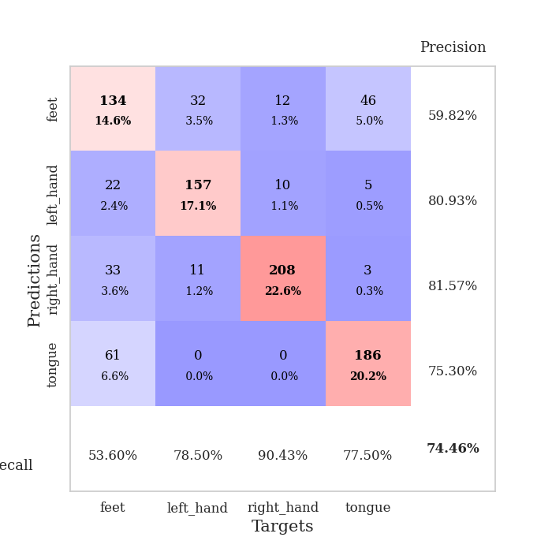
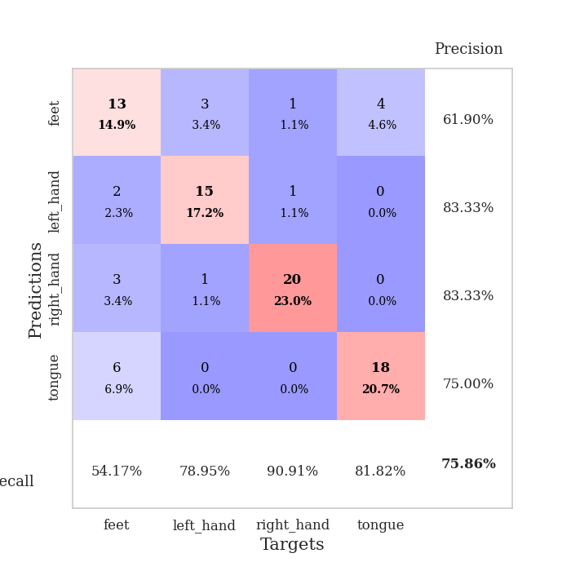
best_val_acc | best_val_los | best_test_acc
0.73913043478 | 0.81199885451 | 0.70689655172
0.75 | 0.70460803353 | 0.71551724138
0.73913043478 | 0.83103290589 | 0.72413793103
0.72826086957 | 0.89773036345 | 0.6724137931
0.77173913043 | 0.68031602839 | 0.66379310345
0.73913043478 | 0.74357801417 | 0.58620689655
0.73913043478 | 0.87407929742 | 0.71551724138
0.72826086957 | 0.82246781432 | 0.76724137931
0.75 | 0.71086522807 | 0.63793103448
0.76086956522 | 0.68069756031 | 0.71551724138

Mean,std Val accuracy is 0.7445652173913044 , 0.013796690409173753 and mean, std test accuracy is 0.6905172413793104 , 0.0514760974768038

Sheet1
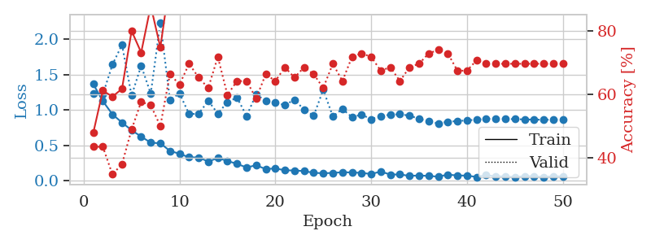
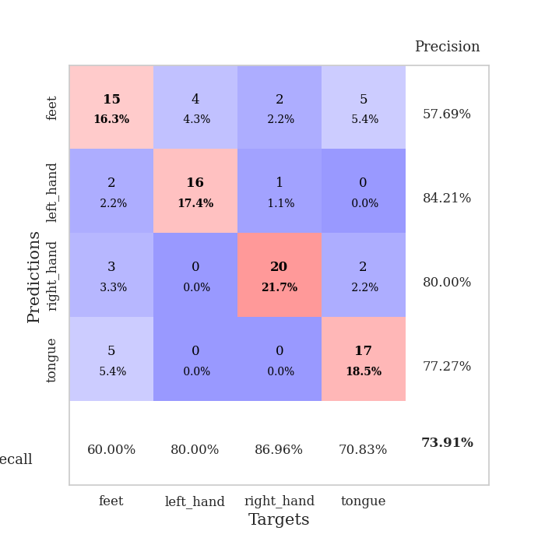
train_loss | valid_loss | train_accuracy | valid_accuracy | dur | train_misclass | valid_misclass
1.3678093941 | 1.2395534567 | 0.47826086957 | 0.4347826087 | 0.080061912537 | 47.826086957 | 43.47826087
1.1267569998 | 1.220355122 | 0.61141304348 | 0.4347826087 | 0.078692913055 | 61.141304348 | 43.47826087
0.93985725227 | 1.6433048767 | 0.59239130435 | 0.34782608696 | 0.078459739685 | 59.239130435 | 34.782608696
0.82330028907 | 1.924244974 | 0.61684782609 | 0.38043478261 | 0.078397035599 | 61.684782609 | 38.043478261
0.71548419154 | 1.2058959681 | 0.79891304348 | 0.48913043478 | 0.078611135483 | 79.891304348 | 48.913043478
0.6244477228 | 1.6282216466 | 0.73097826087 | 0.57608695652 | 0.078483104706 | 73.097826087 | 57.608695652
0.5386739289 | 1.2324423738 | 0.8777173913 | 0.5652173913 | 0.078541278839 | 87.77173913 | 56.52173913
0.53016095317 | 2.2412692464 | 0.7472826087 | 0.5 | 0.07840514183 | 74.72826087 | 50
0.42186091063 | 1.1442462828 | 0.95652173913 | 0.66304347826 | 0.078408956528 | 95.652173913 | 66.304347826
0.38211235825 | 1.2364374192 | 0.92391304348 | 0.63043478261 | 0.078400850296 | 92.391304348 | 63.043478261
0.33141527325 | 0.94316446781 | 0.98097826087 | 0.69565217391 | 0.078189611435 | 98.097826087 | 69.565217391
0.32933905235 | 0.94904014339 | 0.97826086957 | 0.65217391304 | 0.078605175018 | 97.826086957 | 65.217391304
0.27112164721 | 1.1303293342 | 0.96467391304 | 0.61956521739 | 0.078591585159 | 96.467391304 | 61.956521739
0.3218440786 | 0.95100488352 | 0.97282608696 | 0.71739130435 | 0.078634738922 | 97.282608696 | 71.739130435
0.2795264397 | 1.1122994475 | 0.97826086957 | 0.59782608696 | 0.078905820847 | 97.826086957 | 59.782608696
0.23920441646 | 1.1767236461 | 0.98097826087 | 0.64130434783 | 0.078578233719 | 98.097826087 | 64.130434783
0.18707075861 | 0.91645748719 | 0.99184782609 | 0.64130434783 | 0.078771829605 | 99.184782609 | 64.130434783
0.2199002838 | 1.221548832 | 0.98641304348 | 0.58695652174 | 0.078620433807 | 98.641304348 | 58.695652174
0.16388455859 | 1.1308931631 | 0.97554347826 | 0.66304347826 | 0.078509092331 | 97.554347826 | 66.304347826
0.17534226309 | 1.10228963 | 0.99184782609 | 0.64130434783 | 0.078369379044 | 99.184782609 | 64.130434783
0.14695940458 | 1.0713046323 | 0.98913043478 | 0.6847826087 | 0.078667640686 | 98.913043478 | 68.47826087
0.14567939443 | 1.1474582372 | 0.98641304348 | 0.65217391304 | 0.078756093979 | 98.641304348 | 65.217391304
0.13631337039 | 1.0055590868 | 0.99456521739 | 0.6847826087 | 0.078745603561 | 99.456521739 | 68.47826087
0.11227833601 | 0.91995091024 | 0.9972826087 | 0.66304347826 | 0.078610897064 | 99.72826087 | 66.304347826
0.10566082208 | 1.2863804983 | 0.98097826087 | 0.61956521739 | 0.078730344772 | 98.097826087 | 61.956521739
0.1109684287 | 0.91108978313 | 0.9972826087 | 0.69565217391 | 0.07840681076 | 99.72826087 | 69.565217391
0.12010259035 | 1.0154331301 | 1 | 0.64130434783 | 0.078686237335 | 100 | 64.130434783
0.11718769193 | 0.89987836973 | 1 | 0.71739130435 | 0.078626871109 | 100 | 71.739130435
0.11135444086 | 0.93568056044 | 1 | 0.72826086957 | 0.078870296478 | 100 | 72.826086957
0.094679625462 | 0.87141703004 | 0.99456521739 | 0.71739130435 | 0.078885793686 | 99.456521739 | 71.739130435
0.1304828101 | 0.91383615007 | 0.9972826087 | 0.67391304348 | 0.078440666199 | 99.72826087 | 67.391304348
0.086665745096 | 0.93486753754 | 1 | 0.6847826087 | 0.078721046448 | 100 | 68.47826087
0.089670211077 | 0.94161235768 | 1 | 0.64130434783 | 0.078773498535 | 100 | 64.130434783
0.067819662595 | 0.92058894686 | 1 | 0.6847826087 | 0.078706264496 | 100 | 68.47826087
0.074970266296 | 0.87655256624 | 1 | 0.69565217391 | 0.078459501266 | 100 | 69.565217391
0.067174610783 | 0.83793964075 | 1 | 0.72826086957 | 0.078294992447 | 100 | 72.826086957
0.058131681472 | 0.81199885451 | 1 | 0.73913043478 | 0.078741550446 | 100 | 73.913043478
0.086017686793 | 0.83467329585 | 1 | 0.72826086957 | 0.078921318054 | 100 | 72.826086957
0.074538990248 | 0.84484222143 | 1 | 0.67391304348 | 0.078648805618 | 100 | 67.391304348
0.072408273006 | 0.85401922205 | 1 | 0.67391304348 | 0.078680276871 | 100 | 67.391304348
0.053445567984 | 0.86397827708 | 1 | 0.70652173913 | 0.078677415848 | 100 | 70.652173913
0.077680152335 | 0.87611399008 | 1 | 0.69565217391 | 0.078617572784 | 100 | 69.565217391
0.061987121549 | 0.87523220933 | 1 | 0.69565217391 | 0.078642368317 | 100 | 69.565217391
0.060958569181 | 0.87431504934 | 1 | 0.69565217391 | 0.078656673431 | 100 | 69.565217391
0.05132548835 | 0.87146596805 | 1 | 0.69565217391 | 0.078637361526 | 100 | 69.565217391
0.06523406129 | 0.86793349618 | 1 | 0.69565217391 | 0.078681230545 | 100 | 69.565217391
0.061140219266 | 0.86475749638 | 1 | 0.69565217391 | 0.078777074814 | 100 | 69.565217391
0.052936603599 | 0.8633225327 | 1 | 0.69565217391 | 0.079006433487 | 100 | 69.565217391
0.063344809085 | 0.86318871249 | 1 | 0.69565217391 | 0.078672885895 | 100 | 69.565217391
0.059977160726 | 0.86355005658 | 1 | 0.69565217391 | 0.078626871109 | 100 | 69.565217391

Best Val accuracy is 0.7391304347826086 and Best test accuracy is 0.7068965517241379

Sheet2
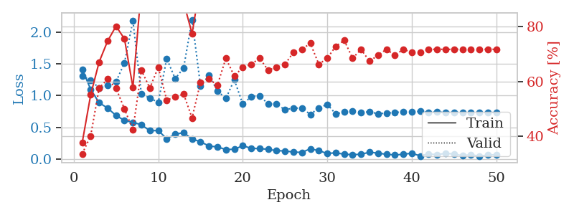
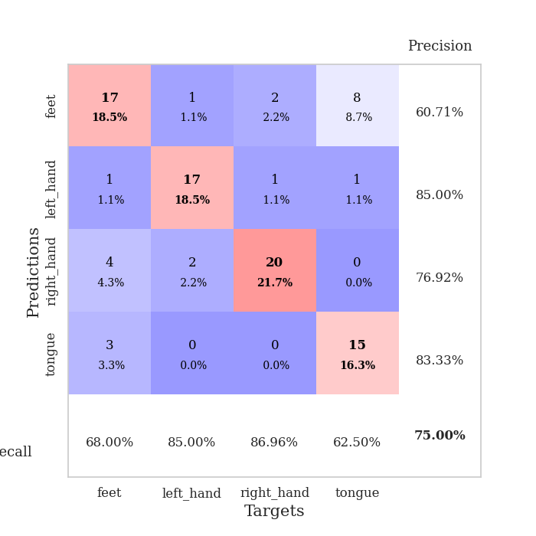
train_loss | valid_loss | train_accuracy | valid_accuracy | dur | train_misclass | valid_misclass
1.4155316353 | 1.3091651253 | 0.3777173913 | 0.33695652174 | 0.08038854599 | 37.77173913 | 33.695652174
1.0987473493 | 1.2422169343 | 0.55163043478 | 0.40217391304 | 0.077861309052 | 55.163043478 | 40.217391304
0.8884238523 | 1.1194166826 | 0.67119565217 | 0.57608695652 | 0.07763004303 | 67.119565217 | 57.608695652
0.80508946336 | 1.160530733 | 0.7472826087 | 0.60869565217 | 0.07779955864 | 74.72826087 | 60.869565217
0.68707208271 | 1.2193426827 | 0.80163043478 | 0.57608695652 | 0.078089952469 | 80.163043478 | 57.608695652
0.60994214467 | 1.515966602 | 0.75543478261 | 0.5 | 0.078446149826 | 75.543478261 | 50
0.5787109914 | 2.1772042461 | 0.57880434783 | 0.42391304348 | 0.078361272812 | 57.880434783 | 42.391304348
0.54312165146 | 1.0241540048 | 0.9402173913 | 0.64130434783 | 0.078308820724 | 94.02173913 | 64.130434783
0.44776606171 | 0.96304333728 | 0.90760869565 | 0.57608695652 | 0.078553676605 | 90.760869565 | 57.608695652
0.45188680421 | 0.89342736161 | 0.96195652174 | 0.65217391304 | 0.078188896179 | 96.195652174 | 65.217391304
0.32021736192 | 1.5848718726 | 0.88315217391 | 0.53260869565 | 0.078706502914 | 88.315217391 | 53.260869565
0.39413063941 | 1.2660329394 | 0.92119565217 | 0.54347826087 | 0.078145503998 | 92.119565217 | 54.347826087
0.41699209631 | 1.4367480537 | 0.88858695652 | 0.55434782609 | 0.078190326691 | 88.858695652 | 55.434782609
0.31983486369 | 2.1945556143 | 0.77445652174 | 0.46739130435 | 0.078459501266 | 77.445652174 | 46.739130435
0.27380481978 | 1.1496716634 | 0.96195652174 | 0.59782608696 | 0.078186750412 | 96.195652174 | 59.782608696
0.20780651239 | 1.3179687676 | 0.97010869565 | 0.60869565217 | 0.07847571373 | 97.010869565 | 60.869565217
0.19283065459 | 1.0757601728 | 0.97554347826 | 0.58695652174 | 0.078277349472 | 97.554347826 | 58.695652174
0.15293587728 | 0.95471674463 | 0.98641304348 | 0.6847826087 | 0.078318834305 | 98.641304348 | 68.47826087
0.15611432234 | 1.250548088 | 0.96195652174 | 0.61956521739 | 0.078718662262 | 96.195652174 | 61.956521739
0.21239116982 | 0.8664061764 | 0.9972826087 | 0.65217391304 | 0.078333616257 | 99.72826087 | 65.217391304
0.17119488347 | 0.98473463369 | 1 | 0.66304347826 | 0.078797578812 | 100 | 66.304347826
0.16691280707 | 0.99683472903 | 0.98641304348 | 0.6847826087 | 0.078624486923 | 98.641304348 | 68.47826087
0.15545639371 | 0.87117464128 | 0.99184782609 | 0.64130434783 | 0.078674793243 | 99.184782609 | 64.130434783
0.13419132866 | 0.86521983665 | 1 | 0.65217391304 | 0.078570127487 | 100 | 65.217391304
0.13078951852 | 0.77655200855 | 1 | 0.66304347826 | 0.078514814377 | 100 | 66.304347826
0.11126045348 | 0.80596485345 | 1 | 0.70652173913 | 0.078592300415 | 100 | 70.652173913
0.10805104252 | 0.80202949047 | 0.99456521739 | 0.71739130435 | 0.078795194626 | 99.456521739 | 71.739130435
0.16427746253 | 0.70460803353 | 1 | 0.73913043478 | 0.078573942184 | 100 | 73.913043478
0.13351151363 | 0.80754465642 | 1 | 0.66304347826 | 0.081378698349 | 100 | 66.304347826
0.090533869665 | 0.86355714176 | 1 | 0.6847826087 | 0.078819990158 | 100 | 68.47826087
0.10104970926 | 0.71344433401 | 1 | 0.72826086957 | 0.078324556351 | 100 | 72.826086957
0.078420032119 | 0.74143706197 | 1 | 0.75 | 0.078261137009 | 100 | 75
0.071091348751 | 0.75694873799 | 1 | 0.6847826087 | 0.078543901443 | 100 | 68.47826087
0.078294211452 | 0.73564890934 | 1 | 0.71739130435 | 0.078227758408 | 100 | 71.739130435
0.10955852043 | 0.74548480044 | 1 | 0.67391304348 | 0.080215930939 | 100 | 67.391304348
0.095899102278 | 0.71458480928 | 1 | 0.69565217391 | 0.07990026474 | 100 | 69.565217391
0.077222955292 | 0.72594223593 | 1 | 0.71739130435 | 0.078129291534 | 100 | 71.739130435
0.067375022675 | 0.73438833848 | 1 | 0.69565217391 | 0.07815861702 | 100 | 69.565217391
0.077411523048 | 0.74833951567 | 1 | 0.71739130435 | 0.07803940773 | 100 | 71.739130435
0.09465616245 | 0.74278733005 | 1 | 0.70652173913 | 0.09112071991 | 100 | 70.652173913
0.052095199328 | 0.75376489888 | 1 | 0.70652173913 | 0.083249092102 | 100 | 70.652173913
0.083372940998 | 0.73696475184 | 1 | 0.71739130435 | 0.086177587509 | 100 | 71.739130435
0.070903825128 | 0.74056694559 | 1 | 0.71739130435 | 0.083805799484 | 100 | 71.739130435
0.093490469917 | 0.73645927854 | 1 | 0.71739130435 | 0.083587884903 | 100 | 71.739130435
0.080186491063 | 0.7365074365 | 1 | 0.71739130435 | 0.083503246307 | 100 | 71.739130435
0.056186824146 | 0.73798503046 | 1 | 0.71739130435 | 0.082920312881 | 100 | 71.739130435
0.070624444148 | 0.7365175382 | 1 | 0.71739130435 | 0.083634853363 | 100 | 71.739130435
0.049730682057 | 0.73598864804 | 1 | 0.71739130435 | 0.085069894791 | 100 | 71.739130435
0.064770836383 | 0.73473513386 | 1 | 0.71739130435 | 0.086419820786 | 100 | 71.739130435
0.071574865031 | 0.73452737539 | 1 | 0.71739130435 | 0.083643913269 | 100 | 71.739130435

Best Val accuracy is 0.75 and Best test accuracy is 0.7155172413793104

Sheet3
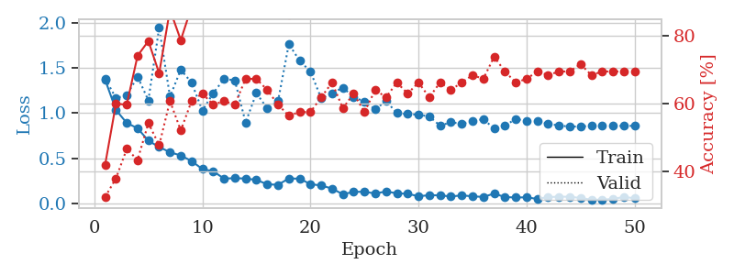
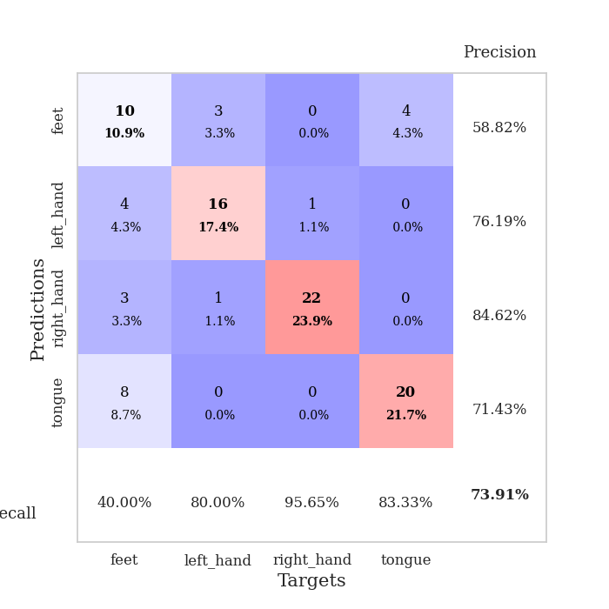
train_loss | valid_loss | train_accuracy | valid_accuracy | dur | train_misclass | valid_misclass
1.367674286 | 1.3815549301 | 0.42119565217 | 0.32608695652 | 0.083531141281 | 42.119565217 | 32.608695652
1.0354018548 | 1.1665215026 | 0.60054347826 | 0.38043478261 | 0.082587957382 | 60.054347826 | 38.043478261
0.89155338381 | 1.1982822055 | 0.59782608696 | 0.46739130435 | 0.082234621048 | 59.782608696 | 46.739130435
0.83351774708 | 1.4033292584 | 0.74184782609 | 0.4347826087 | 0.082434415817 | 74.184782609 | 43.47826087
0.69606902288 | 1.1401596121 | 0.78532608696 | 0.54347826087 | 0.082075119019 | 78.532608696 | 54.347826087
0.62619462739 | 1.9429560796 | 0.6902173913 | 0.47826086957 | 0.082417964935 | 69.02173913 | 47.826086957
0.56910078033 | 1.1815822228 | 0.8777173913 | 0.60869565217 | 0.082036018372 | 87.77173913 | 60.869565217
0.53281080852 | 1.4792318966 | 0.78804347826 | 0.52173913043 | 0.082540512085 | 78.804347826 | 52.173913043
0.47162667046 | 1.3365363401 | 0.88586956522 | 0.60869565217 | 0.084581136703 | 88.586956522 | 60.869565217
0.38260758895 | 1.0289355102 | 0.94836956522 | 0.63043478261 | 0.082310914993 | 94.836956522 | 63.043478261
0.35825811262 | 1.2202124285 | 0.92663043478 | 0.59782608696 | 0.082358598709 | 92.663043478 | 59.782608696
0.27834637528 | 1.3768461165 | 0.88586956522 | 0.60869565217 | 0.082725048065 | 88.586956522 | 60.869565217
0.28223646529 | 1.3625736859 | 0.91304347826 | 0.59782608696 | 0.089696407318 | 91.304347826 | 59.782608696
0.27877436643 | 0.8972381768 | 0.97554347826 | 0.67391304348 | 0.086765527725 | 97.554347826 | 67.391304348
0.26358293224 | 1.221948406 | 0.9375 | 0.67391304348 | 0.08089017868 | 93.75 | 67.391304348
0.21530899438 | 1.0515070558 | 0.97826086957 | 0.64130434783 | 0.078642845154 | 97.826086957 | 64.130434783
0.20967992962 | 1.1320552878 | 0.94565217391 | 0.59782608696 | 0.079396247864 | 94.565217391 | 59.782608696
0.27952286569 | 1.7624837108 | 0.86413043478 | 0.5652173913 | 0.079298496246 | 86.413043478 | 56.52173913
0.27713618395 | 1.5780261081 | 0.92391304348 | 0.57608695652 | 0.080748796463 | 92.391304348 | 57.608695652
0.21687603143 | 1.4597285001 | 0.94293478261 | 0.57608695652 | 0.079999446869 | 94.293478261 | 57.608695652
0.20175741467 | 1.1621795271 | 1 | 0.61956521739 | 0.079614877701 | 100 | 61.956521739
0.16789927301 | 1.2199360702 | 0.98097826087 | 0.66304347826 | 0.079705715179 | 98.097826087 | 66.304347826
0.10490561463 | 1.2811215131 | 0.98641304348 | 0.58695652174 | 0.079235553741 | 98.641304348 | 58.695652174
0.13215415066 | 1.1794417786 | 1 | 0.63043478261 | 0.079606533051 | 100 | 63.043478261
0.13236695901 | 1.1265500266 | 1 | 0.57608695652 | 0.079574108124 | 100 | 57.608695652
0.11386215067 | 1.0416328311 | 1 | 0.64130434783 | 0.079656124115 | 100 | 64.130434783
0.13588848321 | 1.1346577458 | 1 | 0.61956521739 | 0.079556465149 | 100 | 61.956521739
0.11546580226 | 0.99985434698 | 1 | 0.66304347826 | 0.079718351364 | 100 | 66.304347826
0.11063897772 | 0.98926683094 | 1 | 0.63043478261 | 0.079834461212 | 100 | 63.043478261
0.082947918457 | 0.98346255914 | 1 | 0.66304347826 | 0.079803943634 | 100 | 66.304347826
0.095197421539 | 0.96299114435 | 1 | 0.61956521739 | 0.0799036026 | 100 | 61.956521739
0.093209454466 | 0.86169574442 | 1 | 0.66304347826 | 0.079967498779 | 100 | 66.304347826
0.08065664752 | 0.9005418368 | 1 | 0.64130434783 | 0.079644441605 | 100 | 64.130434783
0.092729926231 | 0.8807215872 | 1 | 0.66304347826 | 0.082834720612 | 100 | 66.304347826
0.082581846205 | 0.91668447982 | 1 | 0.6847826087 | 0.079897403717 | 100 | 68.47826087
0.075630974996 | 0.93238119716 | 1 | 0.67391304348 | 0.07978272438 | 100 | 67.391304348
0.1129352505 | 0.83103290589 | 1 | 0.73913043478 | 0.079508543015 | 100 | 73.913043478
0.074254504041 | 0.8596771489 | 1 | 0.69565217391 | 0.079815626144 | 100 | 69.565217391
0.069283036353 | 0.93821456381 | 1 | 0.66304347826 | 0.079584598541 | 100 | 66.304347826
0.071387128074 | 0.91131056651 | 1 | 0.67391304348 | 0.079992771149 | 100 | 67.391304348
0.053605416709 | 0.91024270524 | 1 | 0.69565217391 | 0.079697132111 | 100 | 69.565217391
0.073722183785 | 0.88089842641 | 1 | 0.6847826087 | 0.079946756363 | 100 | 68.47826087
0.078469256182 | 0.86446055899 | 1 | 0.69565217391 | 0.079941511154 | 100 | 69.565217391
0.077443871485 | 0.85093978954 | 1 | 0.69565217391 | 0.079796075821 | 100 | 69.565217391
0.064053860695 | 0.85375389327 | 1 | 0.71739130435 | 0.080066680908 | 100 | 71.739130435
0.044969287377 | 0.85834881534 | 1 | 0.6847826087 | 0.079606056213 | 100 | 68.47826087
0.045622212326 | 0.85775750875 | 1 | 0.69565217391 | 0.079542398453 | 100 | 69.565217391
0.053729185996 | 0.8591255131 | 1 | 0.69565217391 | 0.080041646957 | 100 | 69.565217391
0.074757739051 | 0.8594505139 | 1 | 0.69565217391 | 0.079976558685 | 100 | 69.565217391
0.061573353394 | 0.85967744174 | 1 | 0.69565217391 | 0.083791255951 | 100 | 69.565217391

Best Val accuracy is 0.7391304347826086 and Best test accuracy is 0.7241379310344828

Sheet4
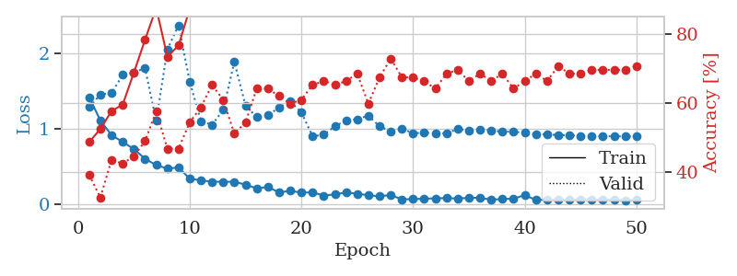
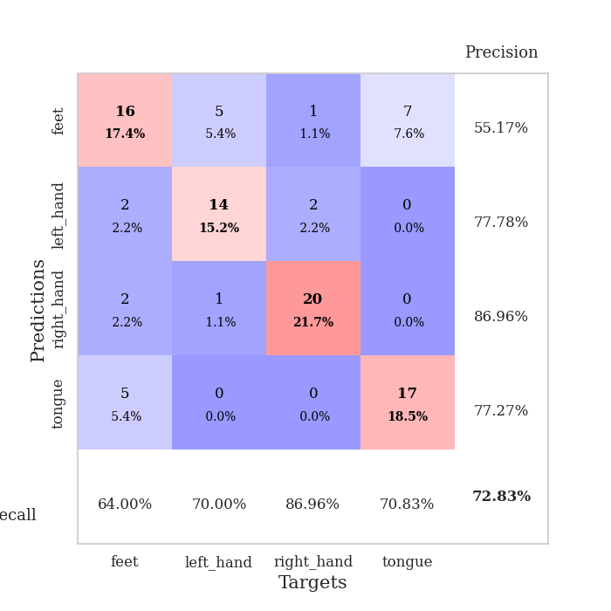
train_loss | valid_loss | train_accuracy | valid_accuracy | dur | train_misclass | valid_misclass
1.419570275 | 1.2892177882 | 0.48641304348 | 0.39130434783 | 0.080962896347 | 48.641304348 | 39.130434783
1.1076336788 | 1.452101666 | 0.52445652174 | 0.32608695652 | 0.079034090042 | 52.445652174 | 32.608695652
0.91517756037 | 1.4737639427 | 0.57608695652 | 0.4347826087 | 0.078871488571 | 57.608695652 | 43.47826087
0.82333657534 | 1.7131280381 | 0.59510869565 | 0.42391304348 | 0.079169034958 | 59.510869565 | 42.391304348
0.72956877429 | 1.7483275248 | 0.6875 | 0.44565217391 | 0.079249382019 | 68.75 | 44.565217391
0.60123626046 | 1.8027349451 | 0.78260869565 | 0.48913043478 | 0.07928276062 | 78.260869565 | 48.913043478
0.51591034169 | 1.1033699979 | 0.875 | 0.57608695652 | 0.079316616058 | 87.5 | 57.608695652
0.47046136079 | 2.0518961264 | 0.73369565217 | 0.46739130435 | 0.079322576523 | 73.369565217 | 46.739130435
0.4839347886 | 2.372524956 | 0.76630434783 | 0.46739130435 | 0.079189777374 | 76.630434783 | 46.739130435
0.33592075012 | 1.625629425 | 0.8722826087 | 0.54347826087 | 0.079247713089 | 87.22826087 | 54.347826087
0.31486256809 | 1.1014720616 | 0.97010869565 | 0.58695652174 | 0.079218626022 | 97.010869565 | 58.695652174
0.29546471458 | 1.0506146187 | 0.97554347826 | 0.65217391304 | 0.07935333252 | 97.554347826 | 65.217391304
0.29580937326 | 1.2497764774 | 0.98641304348 | 0.60869565217 | 0.07924413681 | 98.641304348 | 60.869565217
0.29441822677 | 1.8885257866 | 0.90760869565 | 0.51086956522 | 0.079252481461 | 90.760869565 | 51.086956522
0.25735037426 | 1.3058742388 | 0.98369565217 | 0.54347826087 | 0.07908654213 | 98.369565217 | 54.347826087
0.20679062443 | 1.1553775746 | 1 | 0.64130434783 | 0.079072237015 | 100 | 64.130434783
0.22700785554 | 1.1767219253 | 0.98097826087 | 0.64130434783 | 0.079344511032 | 98.097826087 | 64.130434783
0.15374117393 | 1.2820242799 | 0.96739130435 | 0.61956521739 | 0.0795814991 | 96.739130435 | 61.956521739
0.1740401107 | 1.3626088941 | 0.97826086957 | 0.59782608696 | 0.079382181168 | 97.826086957 | 59.782608696
0.15187434601 | 1.2181888922 | 0.94836956522 | 0.60869565217 | 0.079290628433 | 94.836956522 | 60.869565217
0.15341898386 | 0.89847979857 | 0.99456521739 | 0.65217391304 | 0.079104423523 | 99.456521739 | 65.217391304
0.11236893904 | 0.92098908321 | 0.9972826087 | 0.66304347826 | 0.078948020935 | 99.72826087 | 66.304347826
0.12739582344 | 1.031588855 | 1 | 0.65217391304 | 0.079319000244 | 100 | 65.217391304
0.15462003462 | 1.1080675488 | 1 | 0.66304347826 | 0.079301118851 | 100 | 66.304347826
0.13498962922 | 1.126569468 | 1 | 0.6847826087 | 0.079215526581 | 100 | 68.47826087
0.11678177871 | 1.1726229709 | 0.9972826087 | 0.59782608696 | 0.082311630249 | 99.72826087 | 59.782608696
0.10192687429 | 1.030991093 | 0.9972826087 | 0.67391304348 | 0.078887701035 | 99.72826087 | 67.391304348
0.11948238983 | 0.96400381171 | 1 | 0.72826086957 | 0.079180717468 | 100 | 72.826086957
0.060659087223 | 1.003729714 | 1 | 0.67391304348 | 0.079261779785 | 100 | 67.391304348
0.065091429886 | 0.93835485759 | 1 | 0.67391304348 | 0.078999757767 | 100 | 67.391304348
0.070241946768 | 0.94743086981 | 1 | 0.66304347826 | 0.07900595665 | 100 | 66.304347826
0.075125495863 | 0.93865594138 | 1 | 0.64130434783 | 0.078957080841 | 100 | 64.130434783
0.078676891594 | 0.93508849196 | 1 | 0.6847826087 | 0.078958749771 | 100 | 68.47826087
0.072217329162 | 1.0008648245 | 1 | 0.69565217391 | 0.079092741013 | 100 | 69.565217391
0.081936869851 | 0.97175050818 | 1 | 0.66304347826 | 0.079456329346 | 100 | 66.304347826
0.08256820978 | 0.9864371704 | 1 | 0.6847826087 | 0.079345464706 | 100 | 68.47826087
0.05625475445 | 0.97885481171 | 1 | 0.66304347826 | 0.079478740692 | 100 | 66.304347826
0.066555394305 | 0.95840126017 | 1 | 0.6847826087 | 0.079569816589 | 100 | 68.47826087
0.070522597242 | 0.96109408918 | 1 | 0.64130434783 | 0.079515457153 | 100 | 64.130434783
0.11788531393 | 0.94402557871 | 1 | 0.66304347826 | 0.079976320267 | 100 | 66.304347826
0.053975045114 | 0.93037782286 | 1 | 0.6847826087 | 0.079757213593 | 100 | 68.47826087
0.056529283402 | 0.92223197999 | 1 | 0.66304347826 | 0.079799413681 | 100 | 66.304347826
0.053672946807 | 0.91541863524 | 1 | 0.70652173913 | 0.079780817032 | 100 | 70.652173913
0.056320017285 | 0.91219357822 | 1 | 0.6847826087 | 0.081193685532 | 100 | 68.47826087
0.059601282023 | 0.90389397611 | 1 | 0.6847826087 | 0.079169273376 | 100 | 68.47826087
0.063359060831 | 0.90104650155 | 1 | 0.69565217391 | 0.079235315323 | 100 | 69.565217391
0.053730188019 | 0.89886631136 | 1 | 0.69565217391 | 0.07944226265 | 100 | 69.565217391
0.058999553768 | 0.89834891713 | 1 | 0.69565217391 | 0.079324007034 | 100 | 69.565217391
0.048706579832 | 0.89797902626 | 1 | 0.69565217391 | 0.079509496689 | 100 | 69.565217391
0.053192300843 | 0.89773036345 | 1 | 0.70652173913 | 0.07976937294 | 100 | 70.652173913

Best Val accuracy is 0.7282608695652174 and Best test accuracy is 0.6724137931034483

Sheet5
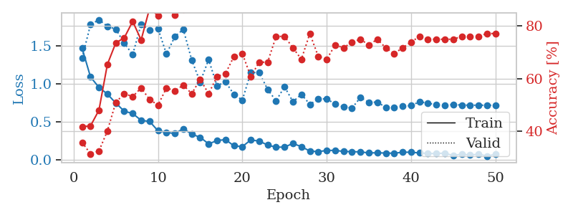
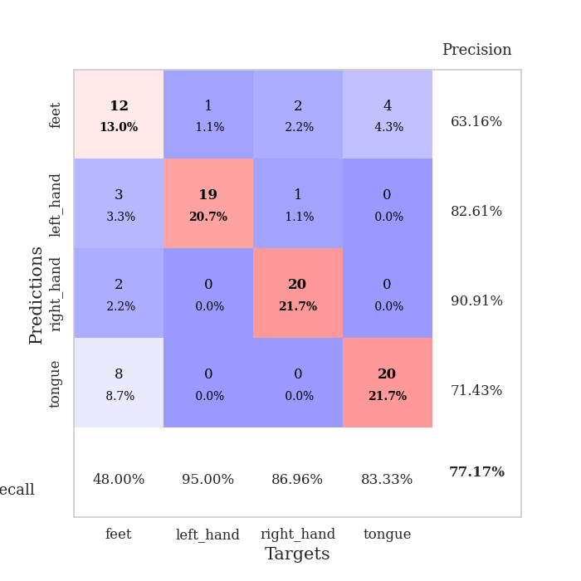
train_loss | valid_loss | train_accuracy | valid_accuracy | dur | train_misclass | valid_misclass
1.4709695578 | 1.3416906854 | 0.41847826087 | 0.35869565217 | 0.080001115799 | 41.847826087 | 35.869565217
1.0908337235 | 1.7814008982 | 0.42119565217 | 0.3152173913 | 0.079048633575 | 42.119565217 | 31.52173913
0.9543146517 | 1.8466831083 | 0.48097826087 | 0.32608695652 | 0.078838586807 | 48.097826087 | 32.608695652
0.86594647947 | 1.7596876829 | 0.65489130435 | 0.40217391304 | 0.079051971436 | 65.489130435 | 40.217391304
0.74711259293 | 1.7221656986 | 0.73641304348 | 0.51086956522 | 0.079241037369 | 73.641304348 | 51.086956522
0.63970981862 | 1.5377779111 | 0.75543478261 | 0.54347826087 | 0.079256534576 | 75.543478261 | 54.347826087
0.60932037105 | 1.3857181383 | 0.81793478261 | 0.53260869565 | 0.079168081284 | 81.793478261 | 53.260869565
0.51889329371 | 1.7895792982 | 0.7472826087 | 0.5652173913 | 0.079228878021 | 74.72826087 | 56.52173913
0.50477114838 | 1.7077437795 | 0.86684782609 | 0.52173913043 | 0.079343080521 | 86.684782609 | 52.173913043
0.38125684339 | 1.7298193289 | 0.83967391304 | 0.5 | 0.079287528992 | 83.967391304 | 50
0.36116665407 | 1.3947259758 | 0.93206521739 | 0.5652173913 | 0.07944226265 | 93.206521739 | 56.52173913
0.34422278987 | 1.6243524862 | 0.84239130435 | 0.55434782609 | 0.079261541367 | 84.239130435 | 55.434782609
0.40950724483 | 1.7194759535 | 0.86413043478 | 0.57608695652 | 0.079272508621 | 86.413043478 | 57.608695652
0.33666119174 | 1.3148075705 | 0.91304347826 | 0.54347826087 | 0.079397201538 | 91.304347826 | 54.347826087
0.29548770497 | 1.0240514227 | 0.96739130435 | 0.59782608696 | 0.079021215439 | 96.739130435 | 59.782608696
0.20894200614 | 1.3204258732 | 0.94293478261 | 0.54347826087 | 0.079931735992 | 94.293478261 | 54.347826087
0.2516064524 | 0.97487040706 | 0.98641304348 | 0.60869565217 | 0.079509973526 | 98.641304348 | 60.869565217
0.26559098454 | 1.0277820204 | 0.98913043478 | 0.61956521739 | 0.079956531525 | 98.913043478 | 61.956521739
0.18263982463 | 0.86109520041 | 0.9972826087 | 0.6847826087 | 0.079550266266 | 99.72826087 | 68.47826087
0.17252018837 | 0.78647857645 | 0.9972826087 | 0.69565217391 | 0.079833269119 | 99.72826087 | 69.565217391
0.26097004197 | 1.1488353118 | 0.98369565217 | 0.60869565217 | 0.079792499542 | 98.369565217 | 60.869565217
0.24502480322 | 1.1502468016 | 0.98913043478 | 0.66304347826 | 0.079584598541 | 98.913043478 | 66.304347826
0.19308873234 | 0.92563349268 | 0.99456521739 | 0.66304347826 | 0.079392194748 | 99.456521739 | 66.304347826
0.16423679386 | 0.77696447787 | 0.99456521739 | 0.76086956522 | 0.079568147659 | 99.456521739 | 76.086956522
0.16714289153 | 0.96265438329 | 0.99184782609 | 0.76086956522 | 0.079825639725 | 99.184782609 | 76.086956522
0.21370319617 | 0.76481903895 | 0.9972826087 | 0.71739130435 | 0.079389333725 | 99.72826087 | 71.739130435
0.17180780856 | 0.86198445507 | 0.9972826087 | 0.67391304348 | 0.079395294189 | 99.72826087 | 67.391304348
0.11418562642 | 0.73082364124 | 1 | 0.77173913043 | 0.079376220703 | 100 | 77.173913043
0.10630104853 | 0.79863935968 | 0.98369565217 | 0.6847826087 | 0.079175949097 | 98.369565217 | 68.47826087
0.12189255687 | 0.80428559106 | 1 | 0.67391304348 | 0.079759836197 | 100 | 67.391304348
0.12314500627 | 0.73203718403 | 0.9972826087 | 0.72826086957 | 0.079493522644 | 99.72826087 | 72.826086957
0.10844163216 | 0.6991836312 | 1 | 0.71739130435 | 0.079378604889 | 100 | 71.739130435
0.10617937399 | 0.68031602839 | 1 | 0.73913043478 | 0.079455375671 | 100 | 73.913043478
0.10242233458 | 0.82062808068 | 1 | 0.75 | 0.079588651657 | 100 | 75
0.089564555507 | 0.75825349922 | 1 | 0.72826086957 | 0.079503774643 | 100 | 72.826086957
0.091209512852 | 0.75877853321 | 1 | 0.75 | 0.079447507858 | 100 | 75
0.087364327446 | 0.69167510841 | 1 | 0.71739130435 | 0.079215526581 | 100 | 71.739130435
0.084957928134 | 0.69094792915 | 1 | 0.69565217391 | 0.079486608505 | 100 | 69.565217391
0.098634768885 | 0.70302229083 | 1 | 0.71739130435 | 0.079369783401 | 100 | 71.739130435
0.098663935337 | 0.71395753 | 1 | 0.73913043478 | 0.07967877388 | 100 | 73.913043478
0.088671739254 | 0.76335439475 | 1 | 0.76086956522 | 0.079508781433 | 100 | 76.086956522
0.082312886441 | 0.7476374507 | 1 | 0.75 | 0.079529762268 | 100 | 75
0.080460248981 | 0.72173871942 | 1 | 0.75 | 0.079704284668 | 100 | 75
0.08696108441 | 0.72067350149 | 1 | 0.75 | 0.07950758934 | 100 | 75
0.053793412714 | 0.72688600291 | 1 | 0.75 | 0.079574584961 | 100 | 75
0.073508563897 | 0.72088264642 | 1 | 0.76086956522 | 0.07929110527 | 100 | 76.086956522
0.059761778168 | 0.71862102591 | 1 | 0.76086956522 | 0.079464435577 | 100 | 76.086956522
0.073315517369 | 0.71892234553 | 1 | 0.76086956522 | 0.079437971115 | 100 | 76.086956522
0.048000014913 | 0.71847322713 | 1 | 0.77173913043 | 0.07953119278 | 100 | 77.173913043
0.069525662486 | 0.71802780421 | 1 | 0.77173913043 | 0.079691410065 | 100 | 77.173913043

Best Val accuracy is 0.7717391304347826 and Best test accuracy is 0.6637931034482759

Sheet6
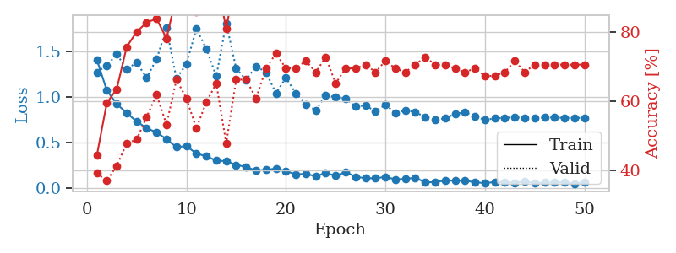
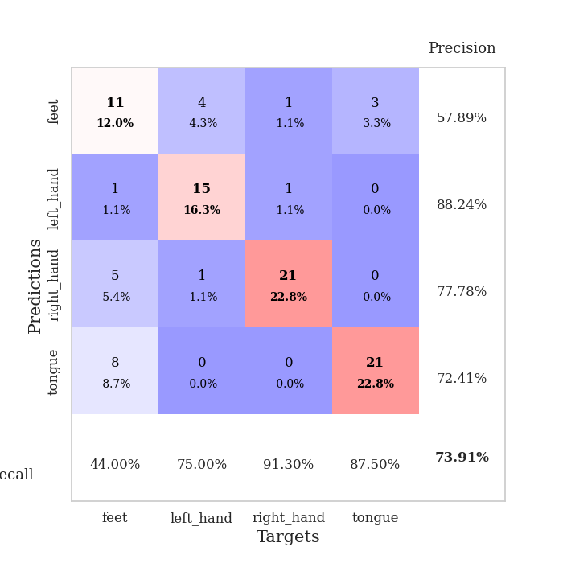
train_loss | valid_loss | train_accuracy | valid_accuracy | dur | train_misclass | valid_misclass
1.4061653407 | 1.2692208964 | 0.44293478261 | 0.39130434783 | 0.080127954483 | 44.293478261 | 39.130434783
1.0693947906 | 1.3399463166 | 0.59510869565 | 0.36956521739 | 0.078866958618 | 59.510869565 | 36.956521739
0.92003664763 | 1.4667943405 | 0.63586956522 | 0.41304347826 | 0.082753896713 | 63.586956522 | 41.304347826
0.82174237137 | 1.3006172802 | 0.75815217391 | 0.47826086957 | 0.080280542374 | 75.815217391 | 47.826086957
0.72904799684 | 1.3754515959 | 0.80163043478 | 0.48913043478 | 0.079287290573 | 80.163043478 | 48.913043478
0.65535309392 | 1.2065763577 | 0.82880434783 | 0.55434782609 | 0.079623937607 | 82.880434783 | 55.434782609
0.60875931382 | 1.410644241 | 0.83967391304 | 0.61956521739 | 0.079731225967 | 83.967391304 | 61.956521739
0.53437218588 | 1.7504062134 | 0.78260869565 | 0.53260869565 | 0.07920217514 | 78.260869565 | 53.260869565
0.44713148021 | 1.1984753764 | 0.90760869565 | 0.66304347826 | 0.078854799271 | 90.760869565 | 66.304347826
0.45948101613 | 1.3592469278 | 0.89945652174 | 0.60869565217 | 0.079254150391 | 89.945652174 | 60.869565217
0.37683839837 | 1.7445874836 | 0.85869565217 | 0.52173913043 | 0.079059123993 | 85.869565217 | 52.173913043
0.34759001693 | 1.5255961418 | 0.9347826087 | 0.59782608696 | 0.078975439072 | 93.47826087 | 59.782608696
0.2986384627 | 1.2237048564 | 0.96195652174 | 0.65217391304 | 0.079026937485 | 96.195652174 | 65.217391304
0.29353517683 | 1.8056814982 | 0.8097826087 | 0.47826086957 | 0.079194545746 | 80.97826087 | 47.826086957
0.25208970872 | 1.3090930141 | 0.97282608696 | 0.66304347826 | 0.079449653625 | 97.282608696 | 66.304347826
0.2300506124 | 1.1849704825 | 0.98641304348 | 0.66304347826 | 0.081060171127 | 98.641304348 | 66.304347826
0.189644911 | 1.3331629919 | 0.9402173913 | 0.60869565217 | 0.079115867615 | 94.02173913 | 60.869565217
0.19909358349 | 1.2680823907 | 0.95380434783 | 0.69565217391 | 0.079063653946 | 95.380434783 | 69.565217391
0.21169263124 | 1.037579539 | 0.99184782609 | 0.73913043478 | 0.079209566116 | 99.184782609 | 73.913043478
0.18360679694 | 1.2056600166 | 0.97282608696 | 0.69565217391 | 0.079343318939 | 97.282608696 | 69.565217391
0.14939288633 | 1.0377029595 | 0.99184782609 | 0.69565217391 | 0.079302787781 | 99.184782609 | 69.565217391
0.15400832098 | 0.91582278583 | 0.99184782609 | 0.71739130435 | 0.079499006271 | 99.184782609 | 71.739130435
0.12776381895 | 0.85010617712 | 0.99456521739 | 0.6847826087 | 0.079626321793 | 99.456521739 | 68.47826087
0.16394446381 | 1.0178984352 | 0.98913043478 | 0.72826086957 | 0.079525947571 | 98.913043478 | 72.826086957
0.1324274229 | 0.99422770479 | 0.98913043478 | 0.65217391304 | 0.079215526581 | 98.913043478 | 65.217391304
0.17556005797 | 0.97837732668 | 0.9972826087 | 0.69565217391 | 0.079181671143 | 99.72826087 | 69.565217391
0.12190892568 | 0.89507116701 | 1 | 0.69565217391 | 0.079271793365 | 100 | 69.565217391
0.10658376741 | 0.902078245 | 1 | 0.70652173913 | 0.079413175583 | 100 | 70.652173913
0.10623028413 | 0.84230139463 | 1 | 0.6847826087 | 0.079585790634 | 100 | 68.47826087
0.12008533987 | 0.91171104234 | 0.9972826087 | 0.71739130435 | 0.079336166382 | 99.72826087 | 71.739130435
0.09464406052 | 0.82206548038 | 1 | 0.69565217391 | 0.07958483696 | 100 | 69.565217391
0.096743733339 | 0.84890645224 | 0.9972826087 | 0.6847826087 | 0.079469203949 | 99.72826087 | 68.47826087
0.11322071573 | 0.83297465418 | 1 | 0.70652173913 | 0.079268455505 | 100 | 70.652173913
0.059850811513 | 0.77543460545 | 1 | 0.72826086957 | 0.079144477844 | 100 | 72.826086957
0.064739396067 | 0.74357801417 | 1 | 0.70652173913 | 0.079487323761 | 100 | 70.652173913
0.080632218423 | 0.76439415631 | 1 | 0.70652173913 | 0.079320907593 | 100 | 70.652173913
0.079517099642 | 0.80988851837 | 1 | 0.69565217391 | 0.079401016235 | 100 | 69.565217391
0.07887809752 | 0.83138431933 | 1 | 0.6847826087 | 0.079332590103 | 100 | 68.47826087
0.062362249252 | 0.78357842694 | 1 | 0.69565217391 | 0.079643011093 | 100 | 69.565217391
0.05283683255 | 0.74549671101 | 1 | 0.67391304348 | 0.079219818115 | 100 | 67.391304348
0.064284868842 | 0.76315172859 | 1 | 0.67391304348 | 0.079492092133 | 100 | 67.391304348
0.061883627761 | 0.76837482401 | 1 | 0.6847826087 | 0.07909989357 | 100 | 68.47826087
0.05600172836 | 0.77243571437 | 1 | 0.71739130435 | 0.079185962677 | 100 | 71.739130435
0.069434942151 | 0.76665305055 | 1 | 0.6847826087 | 0.079379558563 | 100 | 68.47826087
0.051610982369 | 0.76900342236 | 1 | 0.70652173913 | 0.079434394836 | 100 | 70.652173913
0.058397616584 | 0.77041944991 | 1 | 0.70652173913 | 0.079440355301 | 100 | 70.652173913
0.058261432746 | 0.77114404803 | 1 | 0.70652173913 | 0.079396724701 | 100 | 70.652173913
0.062546281225 | 0.76789024602 | 1 | 0.70652173913 | 0.079433917999 | 100 | 70.652173913
0.0467496027 | 0.76702377071 | 1 | 0.70652173913 | 0.079147338867 | 100 | 70.652173913
0.064876150765 | 0.76639157793 | 1 | 0.70652173913 | 0.079299211502 | 100 | 70.652173913

Best Val accuracy is 0.7391304347826086 and Best test accuracy is 0.5862068965517241

Sheet7
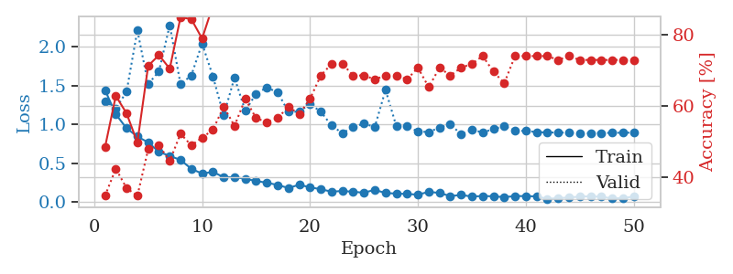
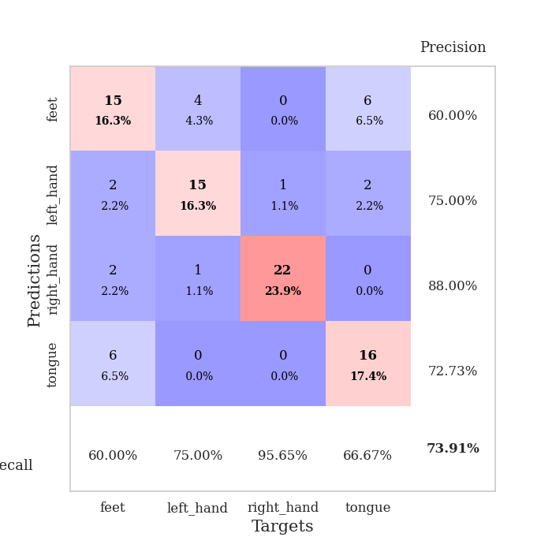
train_loss | valid_loss | train_accuracy | valid_accuracy | dur | train_misclass | valid_misclass
1.4441842204 | 1.3023199154 | 0.48369565217 | 0.34782608696 | 0.080322504044 | 48.369565217 | 34.782608696
1.1317425085 | 1.2062279712 | 0.6277173913 | 0.42391304348 | 0.079372406006 | 62.77173913 | 42.391304348
0.95183056593 | 1.4209723213 | 0.57880434783 | 0.36956521739 | 0.079142093658 | 57.880434783 | 36.956521739
0.84554149016 | 2.2125612135 | 0.4972826087 | 0.34782608696 | 0.079142570496 | 49.72826087 | 34.782608696
0.76982477696 | 1.5190277722 | 0.71195652174 | 0.47826086957 | 0.079039335251 | 71.195652174 | 47.826086957
0.64851137089 | 1.6839351654 | 0.74184782609 | 0.48913043478 | 0.081705331802 | 74.184782609 | 48.913043478
0.59596122672 | 2.2784446115 | 0.70380434783 | 0.44565217391 | 0.078953504562 | 70.380434783 | 44.565217391
0.54421947054 | 1.5171637535 | 0.84782608696 | 0.52173913043 | 0.079501152039 | 84.782608696 | 52.173913043
0.43034037559 | 1.6322400259 | 0.84239130435 | 0.48913043478 | 0.079492807388 | 84.239130435 | 48.913043478
0.3683768161 | 2.0415595822 | 0.78804347826 | 0.51086956522 | 0.079514980316 | 78.804347826 | 51.086956522
0.39099321482 | 1.6192622081 | 0.88043478261 | 0.53260869565 | 0.080548524857 | 88.043478261 | 53.260869565
0.32193866502 | 1.1171283152 | 0.95380434783 | 0.59782608696 | 0.080383062363 | 95.380434783 | 59.782608696
0.32272531416 | 1.604136156 | 0.88858695652 | 0.54347826087 | 0.079406499863 | 88.858695652 | 54.347826087
0.30266096443 | 1.1747439374 | 0.97282608696 | 0.61956521739 | 0.078967094421 | 97.282608696 | 61.956521739
0.27322612735 | 1.3970613428 | 0.95923913043 | 0.5652173913 | 0.079298019409 | 95.923913043 | 56.52173913
0.25149554694 | 1.4753335144 | 0.94293478261 | 0.55434782609 | 0.079306364059 | 94.293478261 | 55.434782609
0.22210322078 | 1.41494695 | 0.94565217391 | 0.5652173913 | 0.079301595688 | 94.565217391 | 56.52173913
0.18353350477 | 1.1625200976 | 0.97554347826 | 0.59782608696 | 0.079353809357 | 97.554347826 | 59.782608696
0.22592102493 | 1.1664913893 | 0.97554347826 | 0.57608695652 | 0.079356193542 | 97.554347826 | 57.608695652
0.1918839639 | 1.265439614 | 0.97826086957 | 0.61956521739 | 0.079428434372 | 97.826086957 | 61.956521739
0.16798770962 | 1.1636598214 | 0.98097826087 | 0.6847826087 | 0.079224824905 | 98.097826087 | 68.47826087
0.13584395709 | 0.98658164688 | 0.9972826087 | 0.71739130435 | 0.079537153244 | 99.72826087 | 71.739130435
0.14579351052 | 0.88845166694 | 1 | 0.71739130435 | 0.079635620117 | 100 | 71.739130435
0.13471212959 | 0.96976952449 | 1 | 0.6847826087 | 0.079385280609 | 100 | 68.47826087
0.12310315049 | 1.0115939016 | 0.99184782609 | 0.6847826087 | 0.079437971115 | 99.184782609 | 68.47826087
0.16053243629 | 0.96796347266 | 0.99456521739 | 0.67391304348 | 0.07931804657 | 99.456521739 | 67.391304348
0.11800473515 | 1.4446653128 | 0.97826086957 | 0.6847826087 | 0.079262018204 | 97.826086957 | 68.47826087
0.11235661724 | 0.97843803271 | 1 | 0.6847826087 | 0.07947063446 | 100 | 68.47826087
0.10616555081 | 0.9773517873 | 1 | 0.67391304348 | 0.079584121704 | 100 | 67.391304348
0.098501451718 | 0.91015645732 | 1 | 0.70652173913 | 0.079689979553 | 100 | 70.652173913
0.13357533879 | 0.90385982005 | 1 | 0.65217391304 | 0.079437255859 | 100 | 65.217391304
0.12025370951 | 0.95972486164 | 1 | 0.70652173913 | 0.079150438309 | 100 | 70.652173913
0.079232640645 | 1.003905711 | 1 | 0.6847826087 | 0.079107999802 | 100 | 68.47826087
0.094325599301 | 0.87407929742 | 1 | 0.70652173913 | 0.079216003418 | 100 | 70.652173913
0.073087324834 | 0.93262169931 | 1 | 0.71739130435 | 0.079310417175 | 100 | 71.739130435
0.080736240089 | 0.89795264213 | 1 | 0.73913043478 | 0.079696178436 | 100 | 73.913043478
0.076606792033 | 0.94187528413 | 1 | 0.69565217391 | 0.079572439194 | 100 | 69.565217391
0.066203612875 | 0.97764915228 | 1 | 0.66304347826 | 0.079432010651 | 100 | 66.304347826
0.079250535847 | 0.92232607759 | 1 | 0.73913043478 | 0.079436302185 | 100 | 73.913043478
0.079668019169 | 0.91632610041 | 1 | 0.73913043478 | 0.079325199127 | 100 | 73.913043478
0.074928283732 | 0.90328796014 | 1 | 0.73913043478 | 0.07922577858 | 100 | 73.913043478
0.043640560531 | 0.89711669217 | 1 | 0.73913043478 | 0.079322099686 | 100 | 73.913043478
0.053910990529 | 0.89763937826 | 1 | 0.72826086957 | 0.079300403595 | 100 | 72.826086957
0.060541522973 | 0.8939098353 | 1 | 0.73913043478 | 0.079305648804 | 100 | 73.913043478
0.073614379877 | 0.88496605469 | 1 | 0.72826086957 | 0.079345464706 | 100 | 72.826086957
0.0757777256 | 0.88904521776 | 1 | 0.72826086957 | 0.079370975494 | 100 | 72.826086957
0.070168007428 | 0.89157390335 | 1 | 0.72826086957 | 0.079430580139 | 100 | 72.826086957
0.049590267767 | 0.89315424536 | 1 | 0.72826086957 | 0.079382896423 | 100 | 72.826086957
0.05401909404 | 0.89446786176 | 1 | 0.72826086957 | 0.079224348068 | 100 | 72.826086957
0.073223609518 | 0.89502849786 | 1 | 0.72826086957 | 0.079335927963 | 100 | 72.826086957

Best Val accuracy is 0.7391304347826086 and Best test accuracy is 0.7155172413793104

Sheet8
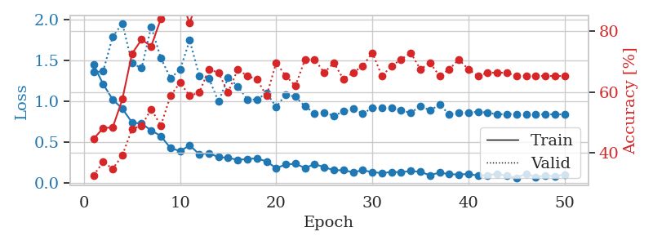
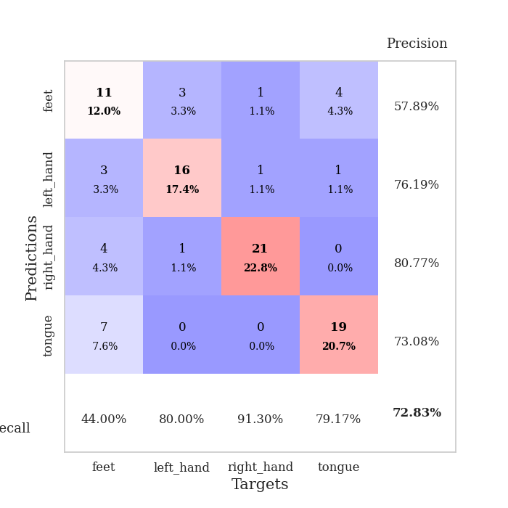
train_loss | valid_loss | train_accuracy | valid_accuracy | dur | train_misclass | valid_misclass
1.4524138907 | 1.3588917618 | 0.44565217391 | 0.32608695652 | 0.080737352371 | 44.565217391 | 32.608695652
1.211192499 | 1.3701706969 | 0.48097826087 | 0.36956521739 | 0.079444885254 | 48.097826087 | 36.956521739
1.0225539363 | 1.7968656965 | 0.48369565217 | 0.34782608696 | 0.079303979874 | 48.369565217 | 34.782608696
0.91049495987 | 1.957124793 | 0.57608695652 | 0.39130434783 | 0.079631090164 | 57.608695652 | 39.130434783
0.7415415839 | 1.4684400973 | 0.72554347826 | 0.47826086957 | 0.079739093781 | 72.554347826 | 47.826086957
0.72597469454 | 1.4081068091 | 0.77173913043 | 0.48913043478 | 0.079518318176 | 77.173913043 | 48.913043478
0.64446966026 | 1.918192086 | 0.75 | 0.54347826087 | 0.079581975937 | 75 | 54.347826087
0.57412289018 | 1.5321038184 | 0.83967391304 | 0.48913043478 | 0.079677343369 | 83.967391304 | 48.913043478
0.42793747264 | 1.2860777741 | 0.91847826087 | 0.58695652174 | 0.079442501068 | 91.847826087 | 58.695652174
0.38942378662 | 1.3878231049 | 0.91032608696 | 0.63043478261 | 0.079806089401 | 91.032608696 | 63.043478261
0.4602742336 | 1.7503634847 | 0.82608695652 | 0.58695652174 | 0.079928874969 | 82.608695652 | 58.695652174
0.35157220325 | 1.3137066779 | 0.92119565217 | 0.59782608696 | 0.079721689224 | 92.119565217 | 59.782608696
0.36287706669 | 1.2819707186 | 0.92119565217 | 0.67391304348 | 0.079722881317 | 92.119565217 | 67.391304348
0.31645084205 | 0.99656304069 | 0.97554347826 | 0.66304347826 | 0.080029964447 | 97.554347826 | 66.304347826
0.30745437223 | 1.2935270848 | 0.94565217391 | 0.59782608696 | 0.079689741135 | 94.565217391 | 59.782608696
0.28244777898 | 1.1847138923 | 0.96467391304 | 0.67391304348 | 0.079503536224 | 96.467391304 | 67.391304348
0.29187064715 | 1.0256777276 | 0.97282608696 | 0.65217391304 | 0.079600811005 | 97.282608696 | 65.217391304
0.3013858834 | 1.0214471713 | 0.97826086957 | 0.64130434783 | 0.080327272415 | 97.826086957 | 64.130434783
0.26162416909 | 1.1046053741 | 0.98369565217 | 0.58695652174 | 0.079638004303 | 98.369565217 | 58.695652174
0.18140535445 | 0.93184224937 | 0.98641304348 | 0.69565217391 | 0.079941034317 | 98.641304348 | 69.565217391
0.2249293823 | 1.0827009471 | 0.99456521739 | 0.65217391304 | 0.079942464828 | 99.456521739 | 65.217391304
0.23462753597 | 1.0567768398 | 0.98913043478 | 0.61956521739 | 0.079706907272 | 98.913043478 | 61.956521739
0.18285756429 | 0.93893412922 | 0.99184782609 | 0.70652173913 | 0.079770088196 | 99.184782609 | 70.652173913
0.22944899956 | 0.85523684128 | 0.9972826087 | 0.70652173913 | 0.080033302307 | 99.72826087 | 70.652173913
0.19264364081 | 0.86373086079 | 0.9972826087 | 0.66304347826 | 0.081394195557 | 99.72826087 | 66.304347826
0.15438024764 | 0.82246781432 | 1 | 0.69565217391 | 0.079775571823 | 100 | 69.565217391
0.15566939909 | 0.87725548641 | 1 | 0.64130434783 | 0.07967877388 | 100 | 64.130434783
0.13009539319 | 0.90690067022 | 0.9972826087 | 0.66304347826 | 0.079794645309 | 99.72826087 | 66.304347826
0.1550458685 | 0.8496659113 | 1 | 0.6847826087 | 0.079736709595 | 100 | 68.47826087
0.13152022806 | 0.91994189698 | 1 | 0.72826086957 | 0.079896450043 | 100 | 72.826086957
0.11998384737 | 0.91671353319 | 1 | 0.65217391304 | 0.079730987549 | 100 | 65.217391304
0.13347450061 | 0.92372989136 | 1 | 0.6847826087 | 0.079654216766 | 100 | 68.47826087
0.13063035841 | 0.8899670943 | 1 | 0.70652173913 | 0.079811811447 | 100 | 70.652173913
0.14477835065 | 0.8592702565 | 1 | 0.72826086957 | 0.07957482338 | 100 | 72.826086957
0.13538135799 | 0.94174656142 | 1 | 0.67391304348 | 0.079803228378 | 100 | 67.391304348
0.093035604319 | 0.89077693483 | 1 | 0.69565217391 | 0.079478263855 | 100 | 69.565217391
0.12681812242 | 0.95849458549 | 1 | 0.65217391304 | 0.079807519913 | 100 | 65.217391304
0.10562249293 | 0.84237472907 | 1 | 0.67391304348 | 0.079672336578 | 100 | 67.391304348
0.10282524659 | 0.85698591626 | 1 | 0.70652173913 | 0.079870223999 | 100 | 70.652173913
0.10868307345 | 0.85857390839 | 1 | 0.67391304348 | 0.079655170441 | 100 | 67.391304348
0.088284608301 | 0.87579681562 | 1 | 0.65217391304 | 0.079631090164 | 100 | 65.217391304
0.093666117638 | 0.86013460159 | 1 | 0.66304347826 | 0.079625844955 | 100 | 66.304347826
0.11041927921 | 0.84179068648 | 1 | 0.66304347826 | 0.079917430878 | 100 | 66.304347826
0.084155819176 | 0.84434310768 | 1 | 0.66304347826 | 0.079722642899 | 100 | 66.304347826
0.060969375236 | 0.84477410109 | 1 | 0.65217391304 | 0.079597234726 | 100 | 65.217391304
0.1110262542 | 0.84229541343 | 1 | 0.65217391304 | 0.079718589783 | 100 | 65.217391304
0.071632692185 | 0.84221078002 | 1 | 0.65217391304 | 0.07968378067 | 100 | 65.217391304
0.087850783668 | 0.84114629808 | 1 | 0.65217391304 | 0.0796251297 | 100 | 65.217391304
0.081447124805 | 0.84060870565 | 1 | 0.65217391304 | 0.079553365707 | 100 | 65.217391304
0.10158587616 | 0.84119444826 | 1 | 0.65217391304 | 0.079639911652 | 100 | 65.217391304

Best Val accuracy is 0.7282608695652174 and Best test accuracy is 0.7672413793103449

Sheet9
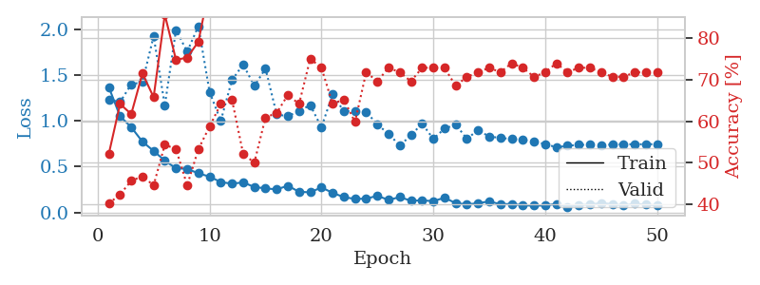
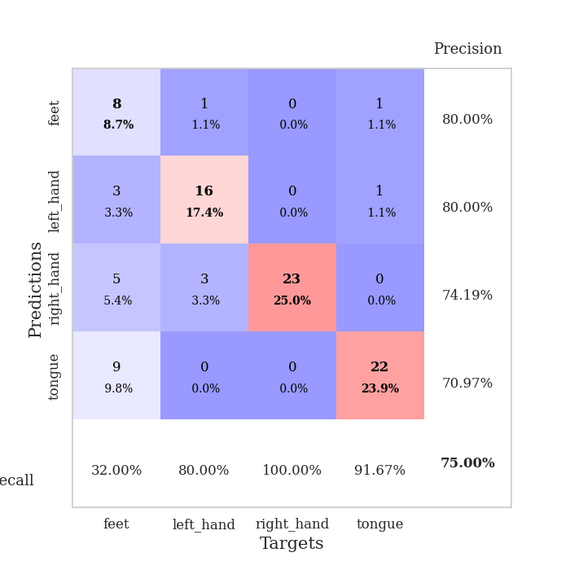
train_loss | valid_loss | train_accuracy | valid_accuracy | dur | train_misclass | valid_misclass
1.3663452812 | 1.2326372033 | 0.52173913043 | 0.40217391304 | 0.082242965698 | 52.173913043 | 40.217391304
1.0508487458 | 1.2057870886 | 0.64130434783 | 0.42391304348 | 0.079560279846 | 64.130434783 | 42.391304348
0.93078288047 | 1.3998563808 | 0.61684782609 | 0.45652173913 | 0.078987360001 | 61.684782609 | 45.652173913
0.77274649558 | 1.4235328799 | 0.71467391304 | 0.46739130435 | 0.078842639923 | 71.467391304 | 46.739130435
0.671272134 | 1.9256133826 | 0.65760869565 | 0.44565217391 | 0.079416513443 | 65.760869565 | 44.565217391
0.56519848238 | 1.1688067706 | 0.85597826087 | 0.54347826087 | 0.079438924789 | 85.597826087 | 54.347826087
0.48158862085 | 1.9938256119 | 0.7472826087 | 0.53260869565 | 0.079638957977 | 74.72826087 | 53.260869565
0.47541700757 | 1.7568056894 | 0.7527173913 | 0.44565217391 | 0.079204559326 | 75.27173913 | 44.565217391
0.42678866114 | 2.035718327 | 0.79076086957 | 0.53260869565 | 0.079382658005 | 79.076086957 | 53.260869565
0.39044607787 | 1.3166376456 | 0.92391304348 | 0.58695652174 | 0.079478025436 | 92.391304348 | 58.695652174
0.33100928884 | 0.99914207148 | 0.96739130435 | 0.64130434783 | 0.079579114914 | 96.739130435 | 64.130434783
0.31332660693 | 1.4448006257 | 0.92934782609 | 0.65217391304 | 0.079090833664 | 92.934782609 | 65.217391304
0.32750488332 | 1.616475323 | 0.8777173913 | 0.52173913043 | 0.079169988632 | 87.77173913 | 52.173913043
0.27734508203 | 1.3828691918 | 0.9375 | 0.5 | 0.079170703888 | 93.75 | 50
0.26206541483 | 1.5708429295 | 0.92391304348 | 0.60869565217 | 0.079536437988 | 92.391304348 | 60.869565217
0.25101549276 | 1.0713747066 | 0.97554347826 | 0.61956521739 | 0.079969644547 | 97.554347826 | 61.956521739
0.2909690119 | 1.0501216935 | 0.97554347826 | 0.66304347826 | 0.079694986343 | 97.554347826 | 66.304347826
0.22456823484 | 1.1094817234 | 0.97282608696 | 0.64130434783 | 0.079532384872 | 97.282608696 | 64.130434783
0.21906625253 | 1.171869335 | 0.95380434783 | 0.75 | 0.079805374146 | 95.380434783 | 75
0.2727351362 | 0.92962557337 | 0.98913043478 | 0.72826086957 | 0.080766677856 | 98.913043478 | 72.826086957
0.21295675068 | 1.2911677205 | 0.98097826087 | 0.64130434783 | 0.082455635071 | 98.097826087 | 64.130434783
0.16659967933 | 1.1049787117 | 0.99184782609 | 0.65217391304 | 0.080317020416 | 99.184782609 | 65.217391304
0.14670551277 | 1.1071510367 | 0.99456521739 | 0.59782608696 | 0.079647541046 | 99.456521739 | 59.782608696
0.14956856268 | 1.0999704081 | 0.97826086957 | 0.71739130435 | 0.079368591309 | 97.826086957 | 71.739130435
0.18097765485 | 0.95884105952 | 0.98641304348 | 0.69565217391 | 0.079162359238 | 98.641304348 | 69.565217391
0.13538516953 | 0.85978554384 | 0.96739130435 | 0.72826086957 | 0.079535961151 | 96.739130435 | 72.826086957
0.16692975941 | 0.72950495585 | 1 | 0.71739130435 | 0.079499006271 | 100 | 71.739130435
0.12687305487 | 0.84225384049 | 1 | 0.69565217391 | 0.079504966736 | 100 | 69.565217391
0.13059027201 | 0.97073327458 | 0.99184782609 | 0.72826086957 | 0.079374313354 | 99.184782609 | 72.826086957
0.1229642181 | 0.80245847547 | 0.9972826087 | 0.72826086957 | 0.079454183578 | 99.72826087 | 72.826086957
0.15951030045 | 0.91576873738 | 1 | 0.72826086957 | 0.079330682755 | 100 | 72.826086957
0.1010693617 | 0.95911086642 | 0.99456521739 | 0.6847826087 | 0.079468488693 | 99.456521739 | 68.47826087
0.087462605625 | 0.8052699851 | 1 | 0.70652173913 | 0.07958650589 | 100 | 70.652173913
0.099263968068 | 0.89783779953 | 1 | 0.71739130435 | 0.079265594482 | 100 | 71.739130435
0.12084715481 | 0.8286151575 | 1 | 0.72826086957 | 0.079580783844 | 100 | 72.826086957
0.087415282331 | 0.81408716803 | 1 | 0.71739130435 | 0.079443216324 | 100 | 71.739130435
0.093225410451 | 0.80089744018 | 1 | 0.73913043478 | 0.080056428909 | 100 | 73.913043478
0.075936914867 | 0.79254491174 | 1 | 0.72826086957 | 0.079210519791 | 100 | 72.826086957
0.073771434877 | 0.7712587766 | 1 | 0.70652173913 | 0.079704761505 | 100 | 70.652173913
0.074574802152 | 0.74731611428 | 1 | 0.71739130435 | 0.079246759415 | 100 | 71.739130435
0.092731220364 | 0.71086522807 | 1 | 0.73913043478 | 0.07953286171 | 100 | 73.913043478
0.060067272745 | 0.72801215493 | 1 | 0.71739130435 | 0.079451799393 | 100 | 71.739130435
0.079992559293 | 0.73803602613 | 1 | 0.72826086957 | 0.079435825348 | 100 | 72.826086957
0.084629210967 | 0.73814618069 | 1 | 0.72826086957 | 0.079327106476 | 100 | 72.826086957
0.10192625261 | 0.73738179777 | 1 | 0.71739130435 | 0.079426765442 | 100 | 71.739130435
0.089988490182 | 0.74074005821 | 1 | 0.70652173913 | 0.079136133194 | 100 | 70.652173913
0.075498338627 | 0.74505057283 | 1 | 0.70652173913 | 0.079088926315 | 100 | 70.652173913
0.094279029285 | 0.74397610063 | 1 | 0.71739130435 | 0.080733299255 | 100 | 71.739130435
0.083758457969 | 0.74479894534 | 1 | 0.71739130435 | 0.079093933105 | 100 | 71.739130435
0.077310114937 | 0.74539691728 | 1 | 0.71739130435 | 0.079432964325 | 100 | 71.739130435

Best Val accuracy is 0.75 and Best test accuracy is 0.6379310344827587

Sheet10
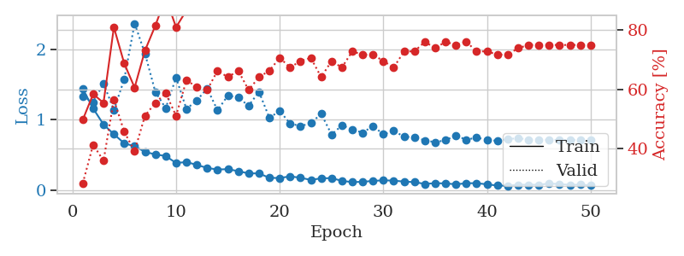
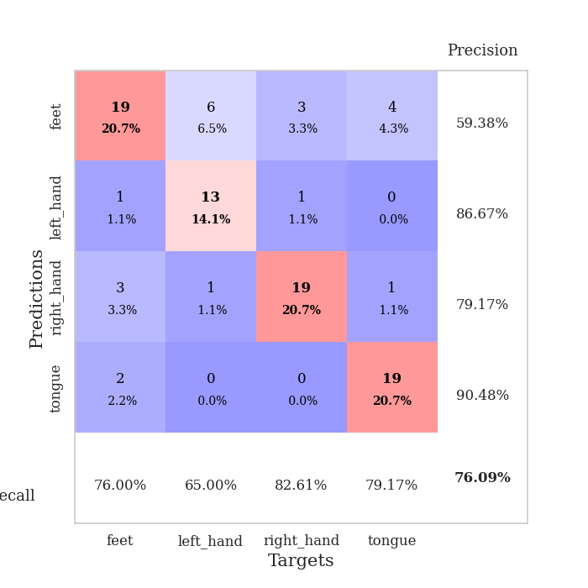
train_loss | valid_loss | train_accuracy | valid_accuracy | dur | train_misclass | valid_misclass
1.4371700805 | 1.3271010803 | 0.4972826087 | 0.28260869565 | 0.080223560333 | 49.72826087 | 28.260869565
1.1597038119 | 1.2511931347 | 0.58423913043 | 0.41304347826 | 0.078931331635 | 58.423913043 | 41.304347826
0.93156765855 | 1.5152021802 | 0.55434782609 | 0.35869565217 | 0.079454183578 | 55.434782609 | 35.869565217
0.79327357722 | 1.1383226488 | 0.8097826087 | 0.5652173913 | 0.079883575439 | 80.97826087 | 56.52173913
0.66441678353 | 1.574414927 | 0.6875 | 0.45652173913 | 0.079929828644 | 68.75 | 45.652173913
0.62163720831 | 2.3690742721 | 0.60597826087 | 0.39130434783 | 0.081511497498 | 60.597826087 | 39.130434783
0.54255600338 | 1.9417035994 | 0.73097826087 | 0.51086956522 | 0.08101940155 | 73.097826087 | 51.086956522
0.50551890744 | 1.395587237 | 0.8152173913 | 0.55434782609 | 0.08017539978 | 81.52173913 | 55.434782609
0.48393758613 | 1.1639425444 | 0.91032608696 | 0.58695652174 | 0.079552650452 | 91.032608696 | 58.695652174
0.38333338888 | 1.5996948947 | 0.8097826087 | 0.51086956522 | 0.079838037491 | 80.97826087 | 51.086956522
0.39779923921 | 1.1530173602 | 0.86684782609 | 0.63043478261 | 0.079350709915 | 86.684782609 | 63.043478261
0.35660722949 | 1.2736510349 | 0.88315217391 | 0.60869565217 | 0.079775810242 | 88.315217391 | 60.869565217
0.31356095393 | 1.4446240715 | 0.91304347826 | 0.59782608696 | 0.079181432724 | 91.304347826 | 59.782608696
0.29080240137 | 1.1331419582 | 0.95652173913 | 0.66304347826 | 0.079916477203 | 95.652173913 | 66.304347826
0.29651313437 | 1.343921226 | 0.89402173913 | 0.64130434783 | 0.079757452011 | 89.402173913 | 64.130434783
0.26728742732 | 1.3150471553 | 0.94565217391 | 0.66304347826 | 0.079458713531 | 94.565217391 | 66.304347826
0.2362117249 | 1.1988530522 | 0.95108695652 | 0.59782608696 | 0.082844018936 | 95.108695652 | 59.782608696
0.23623584049 | 1.3972336002 | 0.91032608696 | 0.64130434783 | 0.079585790634 | 91.032608696 | 64.130434783
0.17226822836 | 1.0266943963 | 0.98097826087 | 0.66304347826 | 0.079772949219 | 98.097826087 | 66.304347826
0.17028002214 | 1.1238143807 | 0.98913043478 | 0.70652173913 | 0.079296588898 | 98.913043478 | 70.652173913
0.19362982695 | 0.94672431117 | 0.99184782609 | 0.67391304348 | 0.079738616943 | 99.184782609 | 67.391304348
0.17401152315 | 0.90834888168 | 1 | 0.69565217391 | 0.079532146454 | 100 | 69.565217391
0.14340424862 | 0.94980370998 | 0.99456521739 | 0.70652173913 | 0.079741954803 | 99.456521739 | 70.652173913
0.16572937029 | 1.083912186 | 0.98913043478 | 0.64130434783 | 0.079541921616 | 98.913043478 | 64.130434783
0.16864900906 | 0.79050288771 | 0.99456521739 | 0.69565217391 | 0.07942199707 | 99.456521739 | 69.565217391
0.1299735204 | 0.91748455815 | 0.9972826087 | 0.67391304348 | 0.079159736633 | 99.72826087 | 67.391304348
0.11184909219 | 0.86232788407 | 0.9972826087 | 0.72826086957 | 0.079747676849 | 99.72826087 | 72.826086957
0.11638744346 | 0.81438958904 | 1 | 0.71739130435 | 0.0798163414 | 100 | 71.739130435
0.12880659994 | 0.9105318396 | 0.98369565217 | 0.71739130435 | 0.079397916794 | 98.369565217 | 71.739130435
0.137462227 | 0.79132077487 | 1 | 0.69565217391 | 0.079594373703 | 100 | 69.565217391
0.13274645238 | 0.84333212998 | 1 | 0.67391304348 | 0.079320907593 | 100 | 67.391304348
0.11956106191 | 0.75648395134 | 1 | 0.72826086957 | 0.07915019989 | 100 | 72.826086957
0.11163842257 | 0.75287900023 | 1 | 0.72826086957 | 0.079272985458 | 100 | 72.826086957
0.086340988298 | 0.70521406505 | 0.9972826087 | 0.76086956522 | 0.079512834549 | 99.72826087 | 76.086956522
0.096250232997 | 0.68069756031 | 1 | 0.73913043478 | 0.079826593399 | 100 | 73.913043478
0.093514895229 | 0.706807971 | 0.9972826087 | 0.76086956522 | 0.079134941101 | 99.72826087 | 76.086956522
0.080887247322 | 0.77768828299 | 1 | 0.75 | 0.079591274261 | 100 | 75
0.095304029791 | 0.7126001301 | 1 | 0.76086956522 | 0.079088687897 | 100 | 76.086956522
0.097321010721 | 0.74758141455 | 1 | 0.72826086957 | 0.079821109772 | 100 | 72.826086957
0.079623586944 | 0.70968961975 | 1 | 0.72826086957 | 0.080328941345 | 100 | 72.826086957
0.063067279108 | 0.70039222292 | 1 | 0.71739130435 | 0.07972741127 | 100 | 71.739130435
0.05923008692 | 0.72282856703 | 1 | 0.71739130435 | 0.079426050186 | 100 | 71.739130435
0.073838550759 | 0.73748095398 | 1 | 0.73913043478 | 0.079313516617 | 100 | 73.913043478
0.074054200607 | 0.71782298192 | 1 | 0.75 | 0.079122066498 | 100 | 75
0.073977065921 | 0.70989705428 | 1 | 0.75 | 0.078963756561 | 100 | 75
0.09146581655 | 0.71269456718 | 1 | 0.75 | 0.0790143013 | 100 | 75
0.083852323339 | 0.71036883022 | 1 | 0.75 | 0.079136610031 | 100 | 75
0.071490848518 | 0.71168811166 | 1 | 0.75 | 0.079268455505 | 100 | 75
0.075282814143 | 0.71243148265 | 1 | 0.75 | 0.079531431198 | 100 | 75
0.064230423866 | 0.71330494207 | 1 | 0.75 | 0.079285144806 | 100 | 75

Best Val accuracy is 0.7608695652173914 and Best test accuracy is 0.7155172413793104

