Sheet
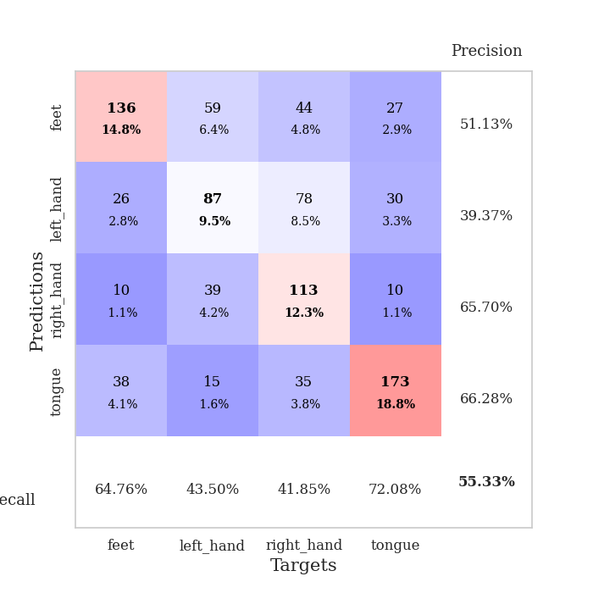
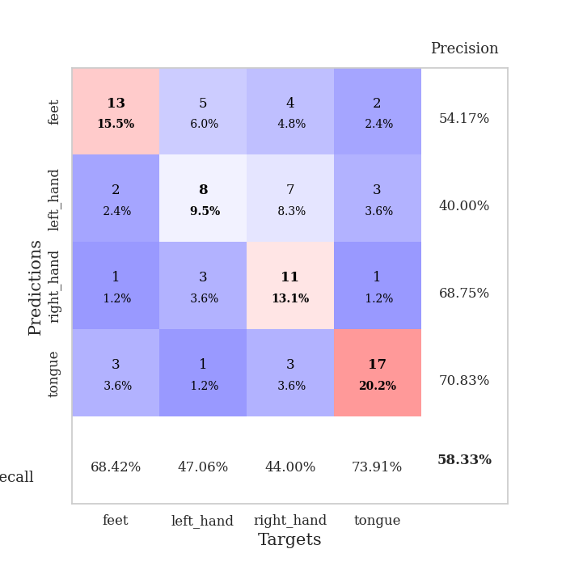
best_val_acc | best_val_los | best_test_acc
0.5652173913 | 1.15937064 | 0.5
0.59782608696 | 1.2215190685 | 0.54310344828
0.54347826087 | 1.2203693234 | 0.5
0.58695652174 | 1.2531500433 | 0.48275862069
0.57608695652 | 1.3276836613 | 0.45689655172
0.53260869565 | 1.2714417084 | 0.51724137931
0.57608695652 | 1.3510642 | 0.49137931034
0.53260869565 | 1.3580394154 | 0.40517241379
0.52173913043 | 1.3048828996 | 0.54310344828
0.5 | 1.3532708624 | 0.41379310345

Mean,std Val accuracy is 0.5532608695652174 , 0.03177269749042573 and mean, std test accuracy is 0.48534482758620695 , 0.04774786522873501

Sheet1
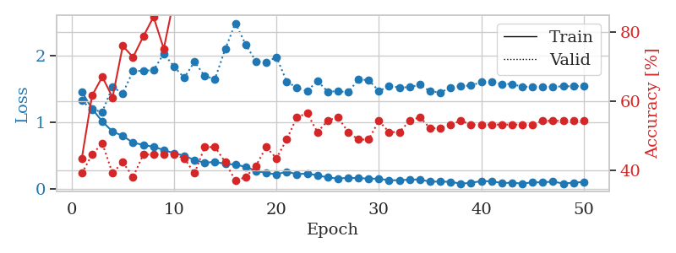
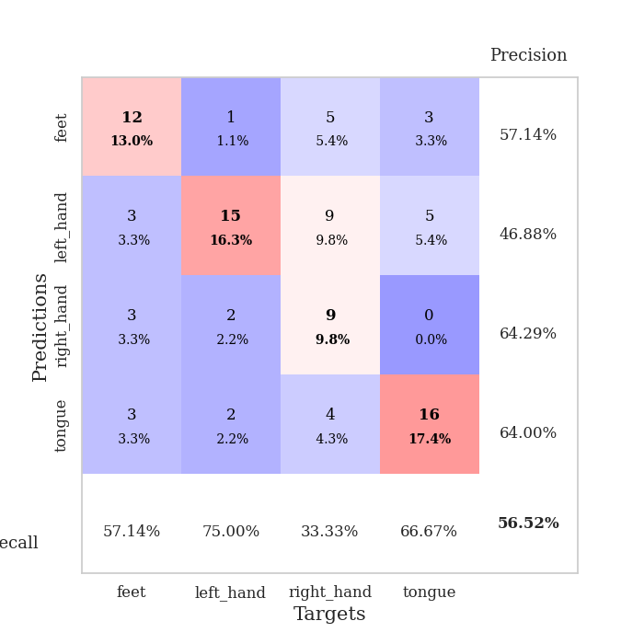
train_loss | valid_loss | train_accuracy | valid_accuracy | dur | train_misclass | valid_misclass
1.4593578162 | 1.3265657632 | 0.4347826087 | 0.39130434783 | 0.080642938614 | 43.47826087 | 39.130434783
1.2053793746 | 1.1899208193 | 0.61684782609 | 0.44565217391 | 0.079736709595 | 61.684782609 | 44.565217391
1.0125963999 | 1.15937064 | 0.67119565217 | 0.47826086957 | 0.079594135284 | 67.119565217 | 47.826086957
0.86144283543 | 1.5337216543 | 0.61141304348 | 0.39130434783 | 0.079684495926 | 61.141304348 | 39.130434783
0.79683688931 | 1.4353041701 | 0.76086956522 | 0.42391304348 | 0.079447746277 | 76.086956522 | 42.391304348
0.69402593115 | 1.7734487782 | 0.72826086957 | 0.38043478261 | 0.079578638077 | 72.826086957 | 38.043478261
0.66160791076 | 1.7747188133 | 0.78804347826 | 0.44565217391 | 0.079504728317 | 78.804347826 | 44.565217391
0.63180544584 | 1.7853834163 | 0.84510869565 | 0.44565217391 | 0.079441547394 | 84.510869565 | 44.565217391
0.58530575296 | 2.0309384906 | 0.7527173913 | 0.44565217391 | 0.079629898071 | 75.27173913 | 44.565217391
0.53556467787 | 1.8404235373 | 0.89673913043 | 0.44565217391 | 0.079421043396 | 89.673913043 | 44.565217391
0.4994065172 | 1.6696344459 | 0.94293478261 | 0.4347826087 | 0.079387903214 | 94.293478261 | 43.47826087
0.43304559912 | 1.9110643345 | 0.9375 | 0.39130434783 | 0.079212188721 | 93.75 | 39.130434783
0.39306469845 | 1.6946442646 | 0.96195652174 | 0.46739130435 | 0.079336166382 | 96.195652174 | 46.739130435
0.40600904434 | 1.6524231486 | 0.94565217391 | 0.46739130435 | 0.079470157623 | 94.565217391 | 46.739130435
0.37629636345 | 2.101812995 | 0.9402173913 | 0.42391304348 | 0.079587459564 | 94.02173913 | 42.391304348
0.36502283423 | 2.4907850701 | 0.88043478261 | 0.36956521739 | 0.079607009888 | 88.043478261 | 36.956521739
0.33051508017 | 2.168483164 | 0.94836956522 | 0.38043478261 | 0.084515810013 | 94.836956522 | 38.043478261
0.27073488708 | 1.9174707765 | 0.98641304348 | 0.41304347826 | 0.079212427139 | 98.641304348 | 41.304347826
0.23888610336 | 1.8993946055 | 0.98641304348 | 0.46739130435 | 0.07901763916 | 98.641304348 | 46.739130435
0.21735804722 | 1.9836809842 | 0.97554347826 | 0.4347826087 | 0.078996896744 | 97.554347826 | 43.47826087
0.25904275768 | 1.6145561467 | 0.99456521739 | 0.48913043478 | 0.079377174377 | 99.456521739 | 48.913043478
0.22068777551 | 1.5189147618 | 0.99456521739 | 0.55434782609 | 0.079716920853 | 99.456521739 | 55.434782609
0.23080940221 | 1.46999044 | 0.98369565217 | 0.5652173913 | 0.079849243164 | 98.369565217 | 56.52173913
0.20359889215 | 1.6227797581 | 1 | 0.51086956522 | 0.080141782761 | 100 | 51.086956522
0.17152825176 | 1.463049391 | 1 | 0.54347826087 | 0.079828977585 | 100 | 54.347826087
0.15512355385 | 1.4683600871 | 0.9972826087 | 0.55434782609 | 0.079747915268 | 99.72826087 | 55.434782609
0.16688883774 | 1.4533815539 | 1 | 0.51086956522 | 0.079919815063 | 100 | 51.086956522
0.16051032912 | 1.6425878069 | 0.9972826087 | 0.48913043478 | 0.079782485962 | 99.72826087 | 48.913043478
0.15624767931 | 1.6366221905 | 0.99456521739 | 0.48913043478 | 0.079606294632 | 99.456521739 | 48.913043478
0.15145110622 | 1.4720541964 | 0.9972826087 | 0.54347826087 | 0.079482316971 | 99.72826087 | 54.347826087
0.12970315438 | 1.5423119172 | 1 | 0.51086956522 | 0.079355716705 | 100 | 51.086956522
0.12956323143 | 1.5271197246 | 0.99456521739 | 0.51086956522 | 0.079276323318 | 99.456521739 | 51.086956522
0.13918439388 | 1.5274337115 | 0.9972826087 | 0.54347826087 | 0.079634904861 | 99.72826087 | 54.347826087
0.14155645458 | 1.5671874129 | 1 | 0.55434782609 | 0.080700397491 | 100 | 55.434782609
0.10729095477 | 1.4670831794 | 1 | 0.52173913043 | 0.08037686348 | 100 | 52.173913043
0.1105893 | 1.4491519462 | 1 | 0.52173913043 | 0.079973936081 | 100 | 52.173913043
0.10521943535 | 1.5216254722 | 1 | 0.53260869565 | 0.080366373062 | 100 | 53.260869565
0.078710641348 | 1.5458731133 | 1 | 0.54347826087 | 0.081858634949 | 100 | 54.347826087
0.090784516833 | 1.5546276932 | 1 | 0.53260869565 | 0.079176425934 | 100 | 53.260869565
0.11721359704 | 1.6047292118 | 1 | 0.53260869565 | 0.079459905624 | 100 | 53.260869565
0.11316425961 | 1.6046647196 | 1 | 0.53260869565 | 0.079432725906 | 100 | 53.260869565
0.088695918898 | 1.5752752968 | 1 | 0.53260869565 | 0.080094814301 | 100 | 53.260869565
0.091218924393 | 1.5776413731 | 1 | 0.53260869565 | 0.079358577728 | 100 | 53.260869565
0.081133112311 | 1.5327960149 | 1 | 0.53260869565 | 0.079101324081 | 100 | 53.260869565
0.096828902626 | 1.5393663645 | 1 | 0.53260869565 | 0.079095125198 | 100 | 53.260869565
0.099284242069 | 1.5353245891 | 1 | 0.54347826087 | 0.080173492432 | 100 | 54.347826087
0.10892908834 | 1.5363465651 | 1 | 0.54347826087 | 0.079926252365 | 100 | 54.347826087
0.080575691739 | 1.5405567314 | 1 | 0.54347826087 | 0.079597711563 | 100 | 54.347826087
0.09300555143 | 1.5437802957 | 1 | 0.54347826087 | 0.07932972908 | 100 | 54.347826087
0.10324694524 | 1.5451209545 | 1 | 0.54347826087 | 0.082565307617 | 100 | 54.347826087

Best Val accuracy is 0.5652173913043478 and Best test accuracy is 0.5

Sheet2
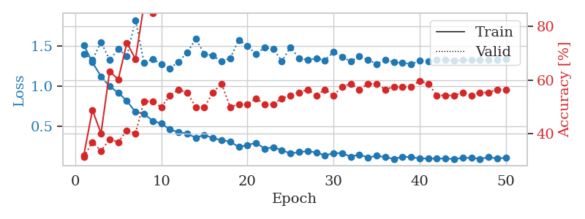
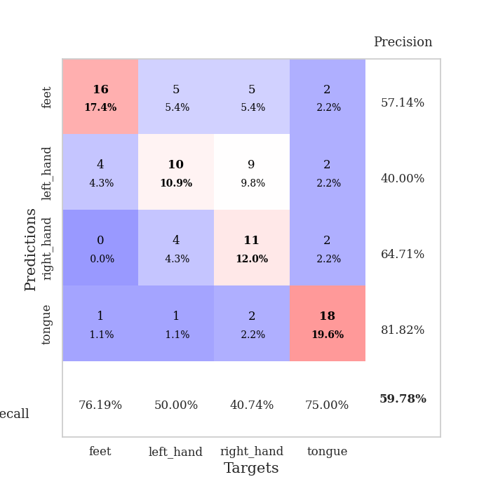
train_loss | valid_loss | train_accuracy | valid_accuracy | dur | train_misclass | valid_misclass
1.5104269878 | 1.402598013 | 0.32065217391 | 0.3152173913 | 0.079781770706 | 32.065217391 | 31.52173913
1.2963807946 | 1.3268980513 | 0.48913043478 | 0.36956521739 | 0.079026460648 | 48.913043478 | 36.956521739
1.1197439043 | 1.5464681128 | 0.40217391304 | 0.33695652174 | 0.078688144684 | 40.217391304 | 33.695652174
0.99762662338 | 1.3237045692 | 0.63315217391 | 0.38043478261 | 0.078655958176 | 63.315217391 | 38.043478261
0.92045344736 | 1.4583190369 | 0.60326086957 | 0.36956521739 | 0.07897400856 | 60.326086957 | 36.956521739
0.81703866565 | 1.3691626373 | 0.73913043478 | 0.41304347826 | 0.078720569611 | 73.913043478 | 41.304347826
0.6804243676 | 1.8188697722 | 0.67934782609 | 0.40217391304 | 0.08042049408 | 67.934782609 | 40.217391304
0.65918217016 | 1.2921055193 | 0.88315217391 | 0.52173913043 | 0.079417467117 | 88.315217391 | 52.173913043
0.56900885183 | 1.3357238251 | 0.85054347826 | 0.52173913043 | 0.07923078537 | 85.054347826 | 52.173913043
0.53866700893 | 1.2706215744 | 0.89945652174 | 0.5 | 0.078835010529 | 89.945652174 | 50
0.46289452651 | 1.2215190685 | 0.92391304348 | 0.54347826087 | 0.079066038132 | 92.391304348 | 54.347826087
0.43113066191 | 1.302118063 | 0.9347826087 | 0.5652173913 | 0.078561544418 | 93.47826087 | 56.52173913
0.41319928804 | 1.4167152514 | 0.95652173913 | 0.55434782609 | 0.078855514526 | 95.652173913 | 55.434782609
0.36060479283 | 1.5847265306 | 0.91304347826 | 0.5 | 0.079113483429 | 91.304347826 | 50
0.39674506369 | 1.399987384 | 0.97554347826 | 0.5 | 0.07935833931 | 97.554347826 | 50
0.35504279383 | 1.3783542747 | 0.95108695652 | 0.55434782609 | 0.077850818634 | 95.108695652 | 55.434782609
0.33261481964 | 1.3049907062 | 0.98913043478 | 0.58695652174 | 0.080618858337 | 98.913043478 | 58.695652174
0.31198663297 | 1.3460164381 | 0.9972826087 | 0.5 | 0.080943107605 | 99.72826087 | 50
0.24727049502 | 1.5742885133 | 0.98097826087 | 0.51086956522 | 0.078934669495 | 98.097826087 | 51.086956522
0.27006280843 | 1.4989308844 | 0.97554347826 | 0.51086956522 | 0.079217910767 | 97.554347826 | 51.086956522
0.29930870688 | 1.3980538482 | 0.98913043478 | 0.53260869565 | 0.079273462296 | 98.913043478 | 53.260869565
0.22588211654 | 1.4803710036 | 0.9972826087 | 0.51086956522 | 0.079369783401 | 99.72826087 | 51.086956522
0.24442162527 | 1.4627714572 | 1 | 0.51086956522 | 0.079514741898 | 100 | 51.086956522
0.20819046672 | 1.3091476793 | 1 | 0.53260869565 | 0.079580783844 | 100 | 53.260869565
0.16610604055 | 1.4843430104 | 0.99456521739 | 0.54347826087 | 0.079506397247 | 99.456521739 | 54.347826087
0.18316442357 | 1.3442790612 | 1 | 0.55434782609 | 0.079412221909 | 100 | 55.434782609
0.1967072218 | 1.3267230469 | 1 | 0.5652173913 | 0.079854726791 | 100 | 56.52173913
0.17794163072 | 1.3436630861 | 1 | 0.54347826087 | 0.079550504684 | 100 | 54.347826087
0.14318161717 | 1.3214536491 | 1 | 0.5652173913 | 0.079427242279 | 100 | 56.52173913
0.16993679495 | 1.4266050328 | 0.9972826087 | 0.54347826087 | 0.079433917999 | 99.72826087 | 54.347826087
0.17005293849 | 1.3619230156 | 1 | 0.57608695652 | 0.079445123672 | 100 | 57.608695652
0.12631515009 | 1.3077622134 | 1 | 0.58695652174 | 0.079288721085 | 100 | 58.695652174
0.15445372786 | 1.3675694932 | 1 | 0.5652173913 | 0.079258918762 | 100 | 56.52173913
0.11487729135 | 1.3289493011 | 1 | 0.58695652174 | 0.079193592072 | 100 | 58.695652174
0.13993086779 | 1.2733031874 | 1 | 0.58695652174 | 0.079391241074 | 100 | 58.695652174
0.12085408896 | 1.3268222291 | 1 | 0.5652173913 | 0.079556465149 | 100 | 56.52173913
0.098971002533 | 1.2992709771 | 1 | 0.57608695652 | 0.079166889191 | 100 | 57.608695652
0.12584017897 | 1.2874364179 | 1 | 0.57608695652 | 0.079215288162 | 100 | 57.608695652
0.12103436167 | 1.2758779318 | 1 | 0.57608695652 | 0.078935861588 | 100 | 57.608695652
0.10568914676 | 1.3130229815 | 1 | 0.59782608696 | 0.078883886337 | 100 | 59.782608696
0.10423892072 | 1.3063050457 | 1 | 0.58695652174 | 0.079364776611 | 100 | 58.695652174
0.10333781892 | 1.3236909379 | 1 | 0.54347826087 | 0.078773736954 | 100 | 54.347826087
0.10426727974 | 1.3222794585 | 1 | 0.54347826087 | 0.079179525375 | 100 | 54.347826087
0.098639466678 | 1.320144814 | 1 | 0.54347826087 | 0.079417943954 | 100 | 54.347826087
0.11025243269 | 1.3235948034 | 1 | 0.55434782609 | 0.079498767853 | 100 | 55.434782609
0.11356217519 | 1.3267117739 | 1 | 0.54347826087 | 0.078994989395 | 100 | 54.347826087
0.10024355279 | 1.3265021417 | 1 | 0.55434782609 | 0.079192876816 | 100 | 55.434782609
0.11900341657 | 1.3276580157 | 1 | 0.55434782609 | 0.079056978226 | 100 | 55.434782609
0.1057177314 | 1.3294189961 | 1 | 0.5652173913 | 0.079225540161 | 100 | 56.52173913
0.11295052172 | 1.3307213991 | 1 | 0.5652173913 | 0.079457998276 | 100 | 56.52173913

Best Val accuracy is 0.5978260869565217 and Best test accuracy is 0.5431034482758621

Sheet3
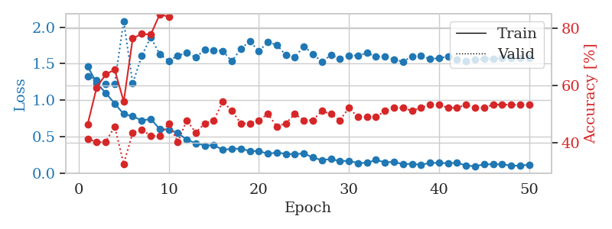
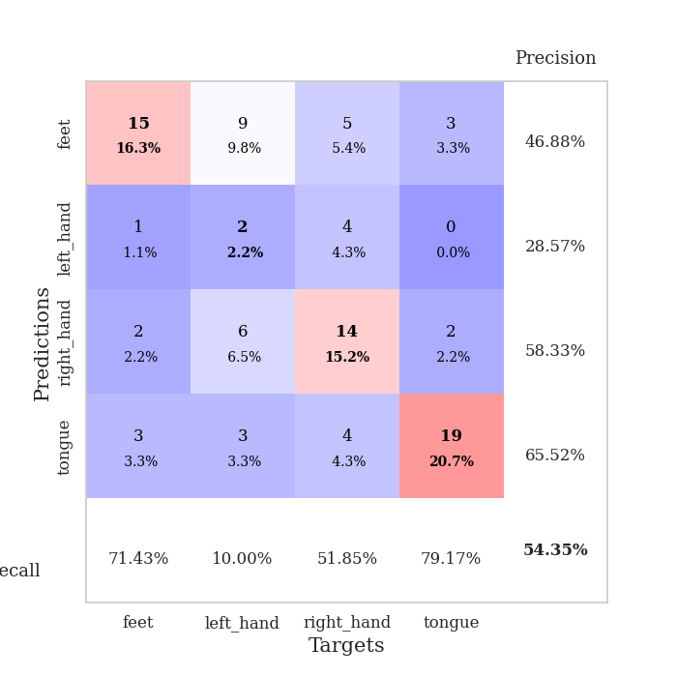
train_loss | valid_loss | train_accuracy | valid_accuracy | dur | train_misclass | valid_misclass
1.4595233979 | 1.3281242588 | 0.46467391304 | 0.41304347826 | 0.080703020096 | 46.467391304 | 41.304347826
1.236624075 | 1.2775998582 | 0.59239130435 | 0.40217391304 | 0.078958749771 | 59.239130435 | 40.217391304
1.0972383126 | 1.2203693234 | 0.63858695652 | 0.40217391304 | 0.079154729843 | 63.858695652 | 40.217391304
0.95282439564 | 1.2265472568 | 0.65489130435 | 0.45652173913 | 0.079443216324 | 65.489130435 | 45.652173913
0.80936655013 | 2.0847422144 | 0.54347826087 | 0.32608695652 | 0.079800844193 | 54.347826087 | 32.608695652
0.77946764231 | 1.2278356086 | 0.76358695652 | 0.4347826087 | 0.07977938652 | 76.358695652 | 43.47826087
0.72024884302 | 1.6067531472 | 0.77989130435 | 0.44565217391 | 0.079698085785 | 77.989130435 | 44.565217391
0.74144843221 | 1.8615357461 | 0.77717391304 | 0.42391304348 | 0.079483509064 | 77.717391304 | 42.391304348
0.60289094435 | 1.6287520657 | 0.84782608696 | 0.42391304348 | 0.079420089722 | 84.782608696 | 42.391304348
0.59591796735 | 1.5387881735 | 0.83967391304 | 0.46739130435 | 0.079577445984 | 83.967391304 | 46.739130435
0.54871829437 | 1.6097831778 | 0.89130434783 | 0.40217391304 | 0.08003115654 | 89.130434783 | 40.217391304
0.45749286465 | 1.6483763145 | 0.9375 | 0.47826086957 | 0.079673051834 | 93.75 | 47.826086957
0.40954870633 | 1.5862560065 | 0.96195652174 | 0.4347826087 | 0.07985830307 | 96.195652174 | 43.47826087
0.37763369861 | 1.6913423072 | 0.97010869565 | 0.46739130435 | 0.079700469971 | 97.010869565 | 46.739130435
0.37990502689 | 1.6825632997 | 0.96739130435 | 0.47826086957 | 0.079775571823 | 96.739130435 | 47.826086957
0.32077966922 | 1.6742220106 | 0.90760869565 | 0.54347826087 | 0.079885482788 | 90.760869565 | 54.347826087
0.33001021879 | 1.53265399 | 0.97554347826 | 0.51086956522 | 0.079944610596 | 97.554347826 | 51.086956522
0.33648965832 | 1.7027518386 | 0.98641304348 | 0.46739130435 | 0.082030296326 | 98.641304348 | 46.739130435
0.29991677355 | 1.8082582847 | 0.99184782609 | 0.46739130435 | 0.079315423965 | 99.184782609 | 46.739130435
0.30314881808 | 1.670507374 | 0.99456521739 | 0.47826086957 | 0.079212665558 | 99.456521739 | 47.826086957
0.26371579196 | 1.7953746578 | 0.98641304348 | 0.5 | 0.078962564468 | 98.641304348 | 50
0.28181185703 | 1.7553590692 | 0.99456521739 | 0.45652173913 | 0.079603672028 | 99.456521739 | 45.652173913
0.26256504039 | 1.616722081 | 0.9972826087 | 0.46739130435 | 0.079532146454 | 99.72826087 | 46.739130435
0.2583227603 | 1.5892873277 | 0.9972826087 | 0.5 | 0.079738378525 | 99.72826087 | 50
0.26983452475 | 1.7394532795 | 0.99184782609 | 0.47826086957 | 0.079646110535 | 99.184782609 | 47.826086957
0.21199249994 | 1.6334927134 | 1 | 0.47826086957 | 0.07928609848 | 100 | 47.826086957
0.17729741529 | 1.5242259347 | 1 | 0.51086956522 | 0.079366922379 | 100 | 51.086956522
0.19242448676 | 1.6185973675 | 1 | 0.5 | 0.079474687576 | 100 | 50
0.16414097324 | 1.5670392565 | 1 | 0.47826086957 | 0.079654455185 | 100 | 47.826086957
0.16715217398 | 1.6113720821 | 1 | 0.52173913043 | 0.079816818237 | 100 | 52.173913043
0.13745157745 | 1.6119255864 | 1 | 0.48913043478 | 0.079822540283 | 100 | 48.913043478
0.13923674563 | 1.6457417063 | 1 | 0.48913043478 | 0.079831600189 | 100 | 48.913043478
0.18022597792 | 1.5976498386 | 1 | 0.48913043478 | 0.082600593567 | 100 | 48.913043478
0.14605574407 | 1.5960801011 | 1 | 0.51086956522 | 0.078897714615 | 100 | 51.086956522
0.15421055241 | 1.5595556187 | 1 | 0.52173913043 | 0.079176187515 | 100 | 52.173913043
0.12014043785 | 1.5255391442 | 1 | 0.52173913043 | 0.079278707504 | 100 | 52.173913043
0.12743036481 | 1.6029593478 | 1 | 0.51086956522 | 0.079141378403 | 100 | 51.086956522
0.1136876518 | 1.6123123843 | 1 | 0.52173913043 | 0.079051733017 | 100 | 52.173913043
0.1386317925 | 1.5619577169 | 1 | 0.53260869565 | 0.079203128815 | 100 | 53.260869565
0.14021643842 | 1.5766661841 | 1 | 0.53260869565 | 0.080379009247 | 100 | 53.260869565
0.13428866442 | 1.5963895165 | 1 | 0.52173913043 | 0.080471754074 | 100 | 52.173913043
0.14052441076 | 1.5597912229 | 1 | 0.52173913043 | 0.079992055893 | 100 | 52.173913043
0.10333005756 | 1.5347159583 | 1 | 0.53260869565 | 0.079946279526 | 100 | 53.260869565
0.093749344835 | 1.561288704 | 1 | 0.52173913043 | 0.079937458038 | 100 | 52.173913043
0.11909679566 | 1.5640506278 | 1 | 0.52173913043 | 0.079263925552 | 100 | 52.173913043
0.12104540877 | 1.5689688351 | 1 | 0.53260869565 | 0.079549789429 | 100 | 53.260869565
0.11977947843 | 1.5736253106 | 1 | 0.53260869565 | 0.079558610916 | 100 | 53.260869565
0.10209805948 | 1.5748685598 | 1 | 0.53260869565 | 0.079523563385 | 100 | 53.260869565
0.10039156376 | 1.5760845361 | 1 | 0.53260869565 | 0.079483032227 | 100 | 53.260869565
0.11629481241 | 1.5767586387 | 1 | 0.53260869565 | 0.079713821411 | 100 | 53.260869565

Best Val accuracy is 0.5434782608695652 and Best test accuracy is 0.5

Sheet4
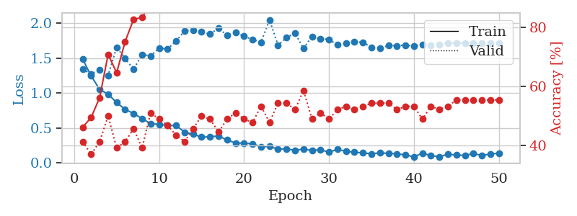
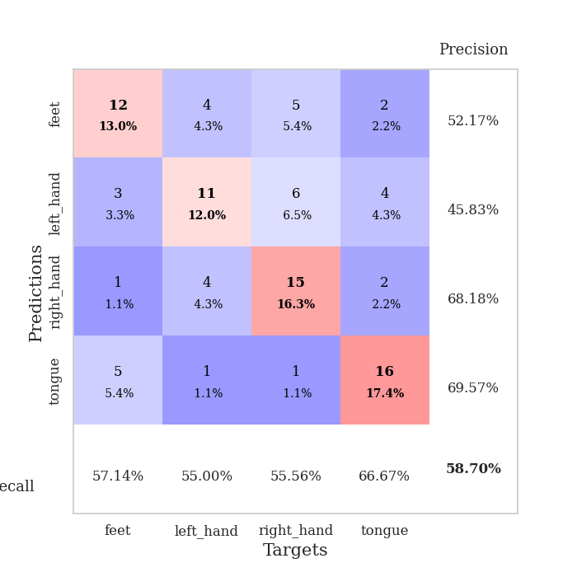
train_loss | valid_loss | train_accuracy | valid_accuracy | dur | train_misclass | valid_misclass
1.4823934151 | 1.3365586633 | 0.46195652174 | 0.41304347826 | 0.0804002285 | 46.195652174 | 41.304347826
1.2446120459 | 1.2739503228 | 0.49456521739 | 0.36956521739 | 0.079250574112 | 49.456521739 | 36.956521739
1.0512440101 | 1.3313640978 | 0.5625 | 0.41304347826 | 0.079088926315 | 56.25 | 41.304347826
0.98307565502 | 1.2531500433 | 0.70923913043 | 0.5 | 0.07926940918 | 70.923913043 | 50
0.86442376479 | 1.6543100658 | 0.64673913043 | 0.39130434783 | 0.07937502861 | 64.673913043 | 39.130434783
0.76538377741 | 1.4938225021 | 0.7527173913 | 0.41304347826 | 0.078925132751 | 75.27173913 | 41.304347826
0.70748980538 | 1.3378694472 | 0.82880434783 | 0.45652173913 | 0.078980445862 | 82.880434783 | 45.652173913
0.63466599584 | 1.5489584 | 0.83423913043 | 0.39130434783 | 0.080388784409 | 83.423913043 | 39.130434783
0.56280648967 | 1.5295067041 | 0.88043478261 | 0.51086956522 | 0.079220056534 | 88.043478261 | 51.086956522
0.5534470185 | 1.6377452145 | 0.90217391304 | 0.48913043478 | 0.079228162766 | 90.217391304 | 48.913043478
0.53721512595 | 1.6307202526 | 0.90489130435 | 0.46739130435 | 0.079463720322 | 90.489130435 | 46.739130435
0.5361218906 | 1.7411881219 | 0.94836956522 | 0.4347826087 | 0.079446077347 | 94.836956522 | 43.47826087
0.44155027296 | 1.8869035348 | 0.90760869565 | 0.41304347826 | 0.079432249069 | 90.760869565 | 41.304347826
0.41095758651 | 1.8996384144 | 0.92119565217 | 0.45652173913 | 0.07935333252 | 92.119565217 | 45.652173913
0.37066486478 | 1.8736531113 | 0.95652173913 | 0.5 | 0.079454421997 | 95.652173913 | 50
0.37435697991 | 1.8397304182 | 0.9347826087 | 0.48913043478 | 0.079471826553 | 93.47826087 | 48.913043478
0.38705830049 | 1.9281121959 | 0.95108695652 | 0.44565217391 | 0.079347372055 | 95.108695652 | 44.565217391
0.32921843976 | 1.8227006974 | 0.97282608696 | 0.48913043478 | 0.079390048981 | 97.282608696 | 48.913043478
0.28589908714 | 1.8644096333 | 0.99184782609 | 0.51086956522 | 0.079312086105 | 99.184782609 | 51.086956522
0.28485006645 | 1.8092488102 | 0.98641304348 | 0.48913043478 | 0.079544067383 | 98.641304348 | 48.913043478
0.27507314054 | 1.7658339791 | 0.98369565217 | 0.47826086957 | 0.079420804977 | 98.369565217 | 47.826086957
0.23173703739 | 1.725711724 | 0.99456521739 | 0.53260869565 | 0.084192752838 | 99.456521739 | 53.260869565
0.23936195105 | 2.045104203 | 0.97282608696 | 0.47826086957 | 0.080155134201 | 97.282608696 | 47.826086957
0.19719572641 | 1.6831841054 | 1 | 0.54347826087 | 0.07963013649 | 100 | 54.347826087
0.2022507147 | 1.7884973443 | 0.99456521739 | 0.54347826087 | 0.079763889313 | 99.456521739 | 54.347826087
0.18112626121 | 1.8572007936 | 1 | 0.52173913043 | 0.079653263092 | 100 | 52.173913043
0.20039067531 | 1.6356797063 | 1 | 0.58695652174 | 0.079643011093 | 100 | 58.695652174
0.1796239242 | 1.8076806328 | 1 | 0.48913043478 | 0.083291769028 | 100 | 48.913043478
0.19123966765 | 1.7723844 | 0.9972826087 | 0.51086956522 | 0.079964160919 | 99.72826087 | 51.086956522
0.15484416371 | 1.7645970272 | 1 | 0.48913043478 | 0.079939365387 | 100 | 48.913043478
0.19591879245 | 1.6888168843 | 1 | 0.52173913043 | 0.079924345016 | 100 | 52.173913043
0.16688135509 | 1.714429959 | 1 | 0.53260869565 | 0.079823970795 | 100 | 53.260869565
0.15476414302 | 1.7336194878 | 1 | 0.52173913043 | 0.079490423203 | 100 | 52.173913043
0.14536155161 | 1.7227892254 | 1 | 0.53260869565 | 0.079522371292 | 100 | 53.260869565
0.13159347998 | 1.6533899152 | 1 | 0.54347826087 | 0.079453706741 | 100 | 54.347826087
0.14693535362 | 1.6373772828 | 1 | 0.54347826087 | 0.079441070557 | 100 | 54.347826087
0.1377359504 | 1.6783148569 | 1 | 0.54347826087 | 0.07939863205 | 100 | 54.347826087
0.13246640547 | 1.6750368035 | 1 | 0.52173913043 | 0.079559803009 | 100 | 52.173913043
0.11529670842 | 1.6850157406 | 1 | 0.53260869565 | 0.081863880157 | 100 | 53.260869565
0.08962343204 | 1.6719195687 | 1 | 0.53260869565 | 0.079572200775 | 100 | 53.260869565
0.14166522702 | 1.6905673898 | 1 | 0.48913043478 | 0.079864263535 | 100 | 48.913043478
0.10639141686 | 1.6781917033 | 1 | 0.53260869565 | 0.079662561417 | 100 | 53.260869565
0.090890351683 | 1.6945360847 | 1 | 0.52173913043 | 0.079694509506 | 100 | 52.173913043
0.12505130996 | 1.7126459402 | 1 | 0.53260869565 | 0.079605579376 | 100 | 53.260869565
0.11495969712 | 1.7137923863 | 1 | 0.55434782609 | 0.079651355743 | 100 | 55.434782609
0.10929034557 | 1.7139756991 | 1 | 0.55434782609 | 0.079554080963 | 100 | 55.434782609
0.13525568645 | 1.7126124838 | 1 | 0.55434782609 | 0.079590082169 | 100 | 55.434782609
0.10898862423 | 1.7131355379 | 1 | 0.55434782609 | 0.079572916031 | 100 | 55.434782609
0.12872678738 | 1.7141586801 | 1 | 0.55434782609 | 0.079295635223 | 100 | 55.434782609
0.14130541034 | 1.7157441481 | 1 | 0.55434782609 | 0.079555034637 | 100 | 55.434782609

Best Val accuracy is 0.5869565217391305 and Best test accuracy is 0.4827586206896552

Sheet5
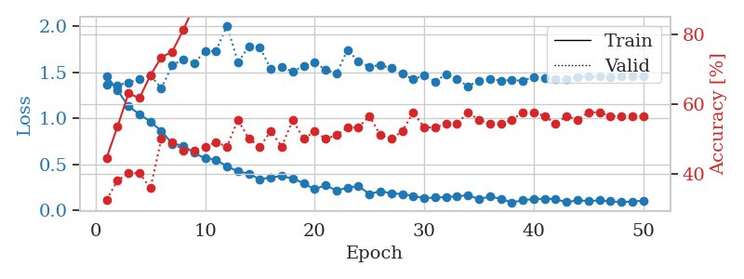
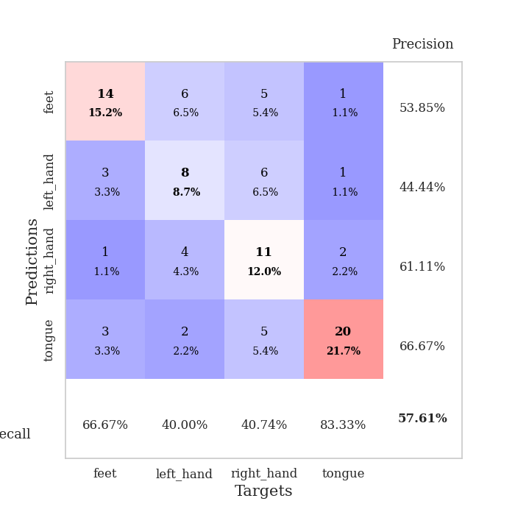
train_loss | valid_loss | train_accuracy | valid_accuracy | dur | train_misclass | valid_misclass
1.4624710705 | 1.3713503713 | 0.44565217391 | 0.32608695652 | 0.080078840256 | 44.565217391 | 32.608695652
1.3052574603 | 1.3589086584 | 0.53532608696 | 0.38043478261 | 0.078902006149 | 53.532608696 | 38.043478261
1.1301394675 | 1.3900800114 | 0.63043478261 | 0.40217391304 | 0.079479694366 | 63.043478261 | 40.217391304
1.0454857349 | 1.4239727673 | 0.61684782609 | 0.40217391304 | 0.079338550568 | 61.684782609 | 40.217391304
0.96480633642 | 1.4668819749 | 0.68206521739 | 0.35869565217 | 0.080587625504 | 68.206521739 | 35.869565217
0.86215859133 | 1.3276836613 | 0.73369565217 | 0.5 | 0.078951120377 | 73.369565217 | 50
0.72438135095 | 1.5790864281 | 0.75 | 0.48913043478 | 0.079150438309 | 75 | 48.913043478
0.70396919225 | 1.6416144682 | 0.8125 | 0.46739130435 | 0.078969478607 | 81.25 | 46.739130435
0.62369548238 | 1.6031010566 | 0.88043478261 | 0.46739130435 | 0.079388380051 | 88.043478261 | 46.739130435
0.56342483344 | 1.7266941485 | 0.88858695652 | 0.47826086957 | 0.079381465912 | 88.858695652 | 47.826086957
0.54918083808 | 1.7354521855 | 0.90217391304 | 0.48913043478 | 0.079445123672 | 90.217391304 | 48.913043478
0.47573993906 | 2.0089678764 | 0.86956521739 | 0.47826086957 | 0.079635381699 | 86.956521739 | 47.826086957
0.42573637807 | 1.6069060201 | 0.95923913043 | 0.55434782609 | 0.079201221466 | 95.923913043 | 55.434782609
0.39692322845 | 1.7847647771 | 0.91847826087 | 0.5 | 0.083065271378 | 91.847826087 | 50
0.33679528081 | 1.7701664904 | 0.97282608696 | 0.47826086957 | 0.081478118896 | 97.282608696 | 47.826086957
0.35821265695 | 1.5371826162 | 0.97554347826 | 0.52173913043 | 0.079463720322 | 97.554347826 | 52.173913043
0.37076690987 | 1.5610848821 | 0.96467391304 | 0.47826086957 | 0.079435825348 | 96.467391304 | 47.826086957
0.34565574352 | 1.5065167054 | 0.98913043478 | 0.55434782609 | 0.07946395874 | 98.913043478 | 55.434782609
0.29393762221 | 1.5718988958 | 0.99456521739 | 0.5 | 0.079450845718 | 99.456521739 | 50
0.2291430831 | 1.6055964387 | 0.98913043478 | 0.52173913043 | 0.079726934433 | 98.913043478 | 52.173913043
0.27379058982 | 1.5309404705 | 0.9972826087 | 0.5 | 0.079260110855 | 99.72826087 | 50
0.21364180841 | 1.488584959 | 0.99184782609 | 0.51086956522 | 0.079267024994 | 99.184782609 | 51.086956522
0.24688121191 | 1.7456584288 | 0.97554347826 | 0.53260869565 | 0.079142808914 | 97.554347826 | 53.260869565
0.26430588054 | 1.6178152147 | 0.99456521739 | 0.53260869565 | 0.079303503036 | 99.456521739 | 53.260869565
0.17619592729 | 1.5635262158 | 0.99184782609 | 0.5652173913 | 0.079104661942 | 99.184782609 | 56.52173913
0.20847476322 | 1.5779503169 | 0.99456521739 | 0.51086956522 | 0.079606056213 | 99.456521739 | 51.086956522
0.18460685322 | 1.5455705342 | 0.99184782609 | 0.5 | 0.079411029816 | 99.184782609 | 50
0.17643219654 | 1.483253168 | 0.9972826087 | 0.52173913043 | 0.079617977142 | 99.72826087 | 52.173913043
0.15736959016 | 1.4256176793 | 1 | 0.57608695652 | 0.079073429108 | 100 | 57.608695652
0.13241763737 | 1.4669812503 | 1 | 0.53260869565 | 0.079219102859 | 100 | 53.260869565
0.13899659463 | 1.401682154 | 0.99184782609 | 0.53260869565 | 0.079348087311 | 99.184782609 | 53.260869565
0.14328506144 | 1.4770282144 | 1 | 0.54347826087 | 0.07970905304 | 100 | 54.347826087
0.15164730228 | 1.425738459 | 0.99456521739 | 0.54347826087 | 0.079556465149 | 99.456521739 | 54.347826087
0.1642503314 | 1.3491119976 | 0.9972826087 | 0.57608695652 | 0.079298734665 | 99.72826087 | 57.608695652
0.12246870622 | 1.408097179 | 1 | 0.55434782609 | 0.07906627655 | 100 | 55.434782609
0.14896726244 | 1.4272936323 | 1 | 0.54347826087 | 0.07893037796 | 100 | 54.347826087
0.12549589299 | 1.4116028755 | 1 | 0.54347826087 | 0.079171419144 | 100 | 54.347826087
0.084688020951 | 1.416335562 | 1 | 0.55434782609 | 0.079380512238 | 100 | 55.434782609
0.10912635145 | 1.4089075482 | 1 | 0.57608695652 | 0.079223871231 | 100 | 57.608695652
0.12215297037 | 1.4505734703 | 1 | 0.57608695652 | 0.079421043396 | 100 | 57.608695652
0.12511749153 | 1.4325380792 | 1 | 0.5652173913 | 0.079303979874 | 100 | 56.52173913
0.12082409559 | 1.4303805932 | 1 | 0.54347826087 | 0.079364538193 | 100 | 54.347826087
0.087255710898 | 1.4324385135 | 1 | 0.5652173913 | 0.079110860825 | 100 | 56.52173913
0.10990414671 | 1.4461842516 | 1 | 0.55434782609 | 0.079349040985 | 100 | 55.434782609
0.10005839979 | 1.4566178529 | 1 | 0.57608695652 | 0.080102205276 | 100 | 57.608695652
0.10826277344 | 1.453146297 | 1 | 0.57608695652 | 0.080220460892 | 100 | 57.608695652
0.097656512714 | 1.4512598566 | 1 | 0.5652173913 | 0.079528331757 | 100 | 56.52173913
0.0895919092 | 1.453654595 | 1 | 0.5652173913 | 0.079355716705 | 100 | 56.52173913
0.095127509178 | 1.455964332 | 1 | 0.5652173913 | 0.079464912415 | 100 | 56.52173913
0.10445160694 | 1.4574530902 | 1 | 0.5652173913 | 0.079246759415 | 100 | 56.52173913

Best Val accuracy is 0.5760869565217391 and Best test accuracy is 0.45689655172413796

Sheet6
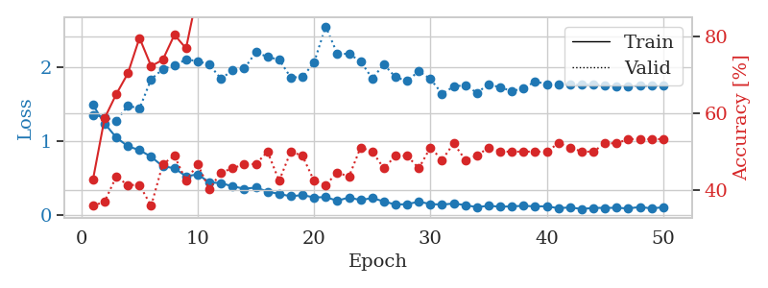
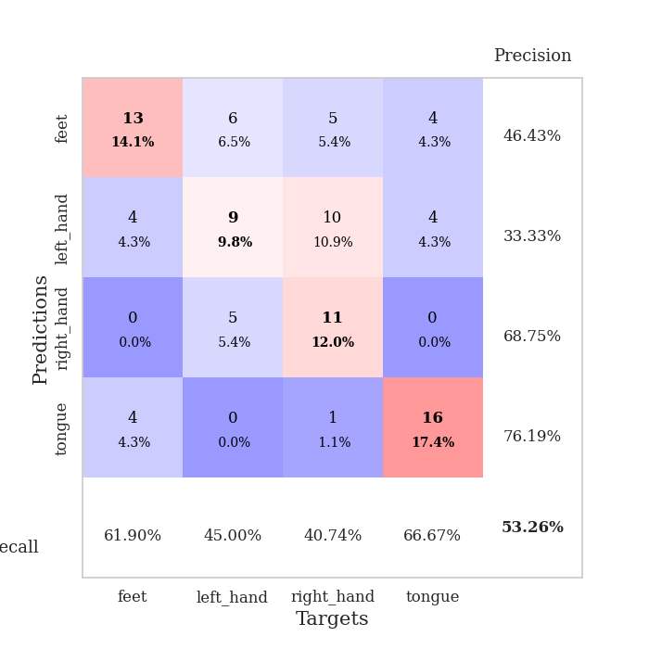
train_loss | valid_loss | train_accuracy | valid_accuracy | dur | train_misclass | valid_misclass
1.4842682714 | 1.3533214745 | 0.42663043478 | 0.35869565217 | 0.080125331879 | 42.663043478 | 35.869565217
1.2354996567 | 1.3189491034 | 0.58695652174 | 0.36956521739 | 0.079013347626 | 58.695652174 | 36.956521739
1.0473330461 | 1.2714417084 | 0.64945652174 | 0.4347826087 | 0.078726530075 | 64.945652174 | 43.47826087
0.92776603802 | 1.4753605231 | 0.70380434783 | 0.41304347826 | 0.078389167786 | 70.380434783 | 41.304347826
0.87627730681 | 1.4378342628 | 0.79619565217 | 0.41304347826 | 0.079419851303 | 79.619565217 | 41.304347826
0.78641058051 | 1.8327905147 | 0.72282608696 | 0.35869565217 | 0.079292058945 | 72.282608696 | 35.869565217
0.65775238301 | 1.9687594124 | 0.73913043478 | 0.46739130435 | 0.07926940918 | 73.913043478 | 46.739130435
0.63256773353 | 2.0213750756 | 0.80434782609 | 0.48913043478 | 0.079437494278 | 80.434782609 | 48.913043478
0.52240812649 | 2.0976495743 | 0.76902173913 | 0.42391304348 | 0.07920217514 | 76.902173913 | 42.391304348
0.54826718698 | 2.0791479505 | 0.91576086957 | 0.46739130435 | 0.079290866852 | 91.576086957 | 46.739130435
0.4415399957 | 2.028459777 | 0.91304347826 | 0.40217391304 | 0.079415559769 | 91.304347826 | 40.217391304
0.43016028016 | 1.8406472206 | 0.9375 | 0.44565217391 | 0.0795981884 | 93.75 | 44.565217391
0.38706742033 | 1.9508134593 | 0.95380434783 | 0.45652173913 | 0.079316139221 | 95.380434783 | 45.652173913
0.3555704569 | 1.9757122061 | 0.94293478261 | 0.46739130435 | 0.079411506653 | 94.293478261 | 46.739130435
0.3705713791 | 2.1966619077 | 0.89945652174 | 0.46739130435 | 0.079477787018 | 89.945652174 | 46.739130435
0.31707725771 | 2.1346482609 | 0.95380434783 | 0.5 | 0.079320907593 | 95.380434783 | 50
0.2846636215 | 2.0962129158 | 0.98913043478 | 0.42391304348 | 0.079117774963 | 98.913043478 | 42.391304348
0.25305191136 | 1.8567963579 | 0.99456521739 | 0.5 | 0.078884363174 | 99.456521739 | 50
0.26924821508 | 1.8623254403 | 0.99456521739 | 0.48913043478 | 0.079202413559 | 99.456521739 | 48.913043478
0.23813707965 | 2.0573280065 | 0.98913043478 | 0.42391304348 | 0.079393625259 | 98.913043478 | 42.391304348
0.24096906574 | 2.5455550836 | 0.97554347826 | 0.41304347826 | 0.078883647919 | 97.554347826 | 41.304347826
0.19312883428 | 2.1754879433 | 0.9972826087 | 0.44565217391 | 0.079271793365 | 99.72826087 | 44.565217391
0.2366484734 | 2.1752148608 | 1 | 0.4347826087 | 0.078502416611 | 100 | 43.47826087
0.20177039472 | 2.0741406938 | 0.9972826087 | 0.51086956522 | 0.078956127167 | 99.72826087 | 51.086956522
0.22941472122 | 1.8427926768 | 0.9972826087 | 0.5 | 0.078760623932 | 99.72826087 | 50
0.18301776311 | 2.0326254886 | 1 | 0.45652173913 | 0.079233169556 | 100 | 45.652173913
0.14123155371 | 1.8608734504 | 0.9972826087 | 0.48913043478 | 0.079345703125 | 99.72826087 | 48.913043478
0.14652741457 | 1.8093294579 | 1 | 0.48913043478 | 0.07919549942 | 100 | 48.913043478
0.18013836541 | 1.9417026458 | 0.9972826087 | 0.45652173913 | 0.078657150269 | 99.72826087 | 45.652173913
0.14806106881 | 1.8353262259 | 0.9972826087 | 0.51086956522 | 0.078619241714 | 99.72826087 | 51.086956522
0.14122069866 | 1.6377658948 | 1 | 0.47826086957 | 0.078457593918 | 100 | 47.826086957
0.15528845066 | 1.7322018354 | 1 | 0.52173913043 | 0.078394174576 | 100 | 52.173913043
0.1343371383 | 1.7552408654 | 1 | 0.47826086957 | 0.079244852066 | 100 | 47.826086957
0.10556552486 | 1.6471362218 | 1 | 0.48913043478 | 0.079311609268 | 100 | 48.913043478
0.12594037406 | 1.7681516979 | 1 | 0.51086956522 | 0.079329252243 | 100 | 51.086956522
0.11124423567 | 1.720157758 | 1 | 0.5 | 0.07941699028 | 100 | 50
0.1177273728 | 1.6756766879 | 1 | 0.5 | 0.078911781311 | 100 | 50
0.12382450732 | 1.7052909913 | 1 | 0.5 | 0.07913851738 | 100 | 50
0.11708481124 | 1.8048597004 | 1 | 0.5 | 0.078540086746 | 100 | 50
0.11762195048 | 1.7633307291 | 1 | 0.5 | 0.078687667847 | 100 | 50
0.09200331265 | 1.7563622309 | 1 | 0.52173913043 | 0.079049110413 | 100 | 52.173913043
0.10347831541 | 1.7661161423 | 1 | 0.51086956522 | 0.079266786575 | 100 | 51.086956522
0.080852727608 | 1.7570676907 | 1 | 0.5 | 0.0789706707 | 100 | 50
0.096426521144 | 1.7671451569 | 1 | 0.5 | 0.082403898239 | 100 | 50
0.096135492801 | 1.7504604692 | 1 | 0.52173913043 | 0.080357789993 | 100 | 52.173913043
0.097816112735 | 1.7396281595 | 1 | 0.52173913043 | 0.079444885254 | 100 | 52.173913043
0.088656346516 | 1.7418512469 | 1 | 0.53260869565 | 0.078933954239 | 100 | 53.260869565
0.10864189741 | 1.7428349723 | 1 | 0.53260869565 | 0.07893872261 | 100 | 53.260869565
0.08916458119 | 1.744090412 | 1 | 0.53260869565 | 0.079454898834 | 100 | 53.260869565
0.10492316423 | 1.7446445589 | 1 | 0.53260869565 | 0.079416751862 | 100 | 53.260869565

Best Val accuracy is 0.532608695652174 and Best test accuracy is 0.5172413793103449

Sheet7
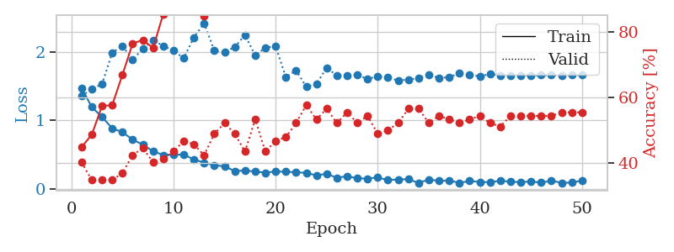
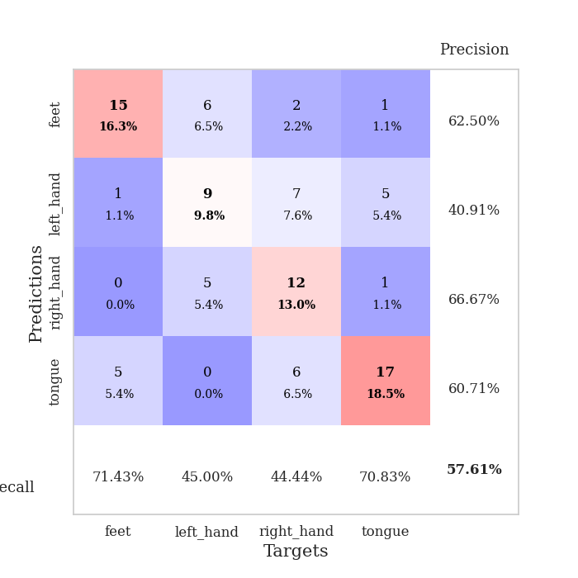
train_loss | valid_loss | train_accuracy | valid_accuracy | dur | train_misclass | valid_misclass
1.4711755151 | 1.3510642 | 0.44836956522 | 0.40217391304 | 0.080016851425 | 44.836956522 | 40.217391304
1.1914435806 | 1.4569329593 | 0.48641304348 | 0.34782608696 | 0.079132556915 | 48.641304348 | 34.782608696
1.0467753721 | 1.5260172668 | 0.57336956522 | 0.34782608696 | 0.078935146332 | 57.336956522 | 34.782608696
0.88249205766 | 1.9849851391 | 0.57608695652 | 0.34782608696 | 0.079168796539 | 57.608695652 | 34.782608696
0.82437506966 | 2.0853280399 | 0.66847826087 | 0.36956521739 | 0.079768657684 | 66.847826087 | 36.956521739
0.71657455615 | 1.8848267068 | 0.76358695652 | 0.42391304348 | 0.07941031456 | 76.358695652 | 42.391304348
0.64274713397 | 2.0409933899 | 0.77445652174 | 0.44565217391 | 0.079598665237 | 77.445652174 | 44.565217391
0.54674324717 | 2.1671563387 | 0.75 | 0.40217391304 | 0.079782009125 | 75 | 40.217391304
0.49133645452 | 2.0862643822 | 0.85326086957 | 0.41304347826 | 0.079475402832 | 85.326086957 | 41.304347826
0.49970719542 | 2.0160207956 | 0.88315217391 | 0.4347826087 | 0.083416461945 | 88.315217391 | 43.47826087
0.49556576299 | 1.9044507275 | 0.90760869565 | 0.46739130435 | 0.079563856125 | 90.760869565 | 46.739130435
0.4279160979 | 2.2096117994 | 0.89402173913 | 0.45652173913 | 0.079231262207 | 89.402173913 | 45.652173913
0.37997662438 | 2.4183957369 | 0.84782608696 | 0.42391304348 | 0.079164743423 | 84.782608696 | 42.391304348
0.34435998162 | 2.0162138939 | 0.95108695652 | 0.48913043478 | 0.079050302505 | 95.108695652 | 48.913043478
0.32450540623 | 1.997563274 | 0.97010869565 | 0.52173913043 | 0.082249879837 | 97.010869565 | 52.173913043
0.25836507361 | 2.0681705475 | 0.95652173913 | 0.48913043478 | 0.07929444313 | 95.652173913 | 48.913043478
0.2640575569 | 2.2458274105 | 0.94293478261 | 0.4347826087 | 0.079111814499 | 94.293478261 | 43.47826087
0.25024056921 | 1.9447707612 | 0.98097826087 | 0.53260869565 | 0.07914018631 | 98.097826087 | 53.260869565
0.23402942199 | 2.0597818209 | 0.98097826087 | 0.4347826087 | 0.079324007034 | 98.097826087 | 43.47826087
0.25144251922 | 2.0810064285 | 0.95108695652 | 0.46739130435 | 0.078982114792 | 95.108695652 | 46.739130435
0.24680023624 | 1.6299546024 | 0.99184782609 | 0.47826086957 | 0.079282283783 | 99.184782609 | 47.826086957
0.23966297604 | 1.7297709351 | 0.99456521739 | 0.52173913043 | 0.078945636749 | 99.456521739 | 52.173913043
0.23090172008 | 1.4883767522 | 0.98913043478 | 0.57608695652 | 0.078927993774 | 98.913043478 | 57.608695652
0.19321618051 | 1.5320765713 | 0.99456521739 | 0.53260869565 | 0.078942298889 | 99.456521739 | 53.260869565
0.21768604527 | 1.7647451473 | 0.99456521739 | 0.5652173913 | 0.07924747467 | 99.456521739 | 56.52173913
0.15824042163 | 1.6526049427 | 0.9972826087 | 0.52173913043 | 0.079270601273 | 99.72826087 | 52.173913043
0.18215768914 | 1.6523961554 | 1 | 0.55434782609 | 0.079199552536 | 100 | 55.434782609
0.14975805969 | 1.6614490333 | 1 | 0.52173913043 | 0.079239606857 | 100 | 52.173913043
0.14765187774 | 1.6011566079 | 0.9972826087 | 0.54347826087 | 0.079126834869 | 99.72826087 | 54.347826087
0.16366907387 | 1.6440249163 | 1 | 0.48913043478 | 0.079378843307 | 100 | 48.913043478
0.1244474042 | 1.6228897157 | 0.9972826087 | 0.5 | 0.079044342041 | 99.72826087 | 50
0.13524857495 | 1.5804020685 | 1 | 0.52173913043 | 0.078983068466 | 100 | 52.173913043
0.13686845897 | 1.5933370176 | 1 | 0.5652173913 | 0.079226255417 | 100 | 56.52173913
0.083859239421 | 1.6170337045 | 1 | 0.5652173913 | 0.079191446304 | 100 | 56.52173913
0.13312796568 | 1.6629606123 | 1 | 0.52173913043 | 0.079197883606 | 100 | 52.173913043
0.11201592567 | 1.6178409846 | 1 | 0.54347826087 | 0.07913184166 | 100 | 54.347826087
0.11868402402 | 1.6286566154 | 1 | 0.53260869565 | 0.078874588013 | 100 | 53.260869565
0.084990723383 | 1.6856183591 | 1 | 0.52173913043 | 0.078811168671 | 100 | 52.173913043
0.11174481629 | 1.6597465069 | 1 | 0.53260869565 | 0.078915596008 | 100 | 53.260869565
0.098394376914 | 1.6430129124 | 1 | 0.54347826087 | 0.079325675964 | 100 | 54.347826087
0.094339490585 | 1.6727979442 | 1 | 0.52173913043 | 0.079441547394 | 100 | 52.173913043
0.11520406507 | 1.6542250022 | 1 | 0.51086956522 | 0.079310178757 | 100 | 51.086956522
0.10207205185 | 1.6542353423 | 1 | 0.54347826087 | 0.079111337662 | 100 | 54.347826087
0.094111355669 | 1.6551975582 | 1 | 0.54347826087 | 0.078892707825 | 100 | 54.347826087
0.10573353869 | 1.6522778635 | 1 | 0.54347826087 | 0.078906297684 | 100 | 54.347826087
0.086997588368 | 1.6583193541 | 1 | 0.54347826087 | 0.078874588013 | 100 | 54.347826087
0.11644269105 | 1.6581434426 | 1 | 0.54347826087 | 0.079154253006 | 100 | 54.347826087
0.085478460214 | 1.6572531254 | 1 | 0.55434782609 | 0.079231977463 | 100 | 55.434782609
0.088579183687 | 1.6577738834 | 1 | 0.55434782609 | 0.079180240631 | 100 | 55.434782609
0.11827831853 | 1.6592907543 | 1 | 0.55434782609 | 0.079452991486 | 100 | 55.434782609

Best Val accuracy is 0.5760869565217391 and Best test accuracy is 0.49137931034482757

Sheet8
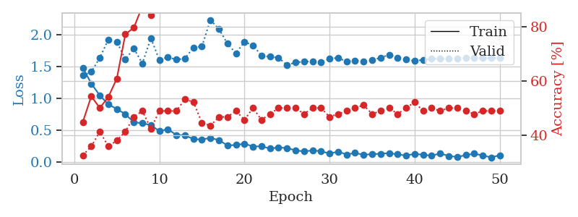
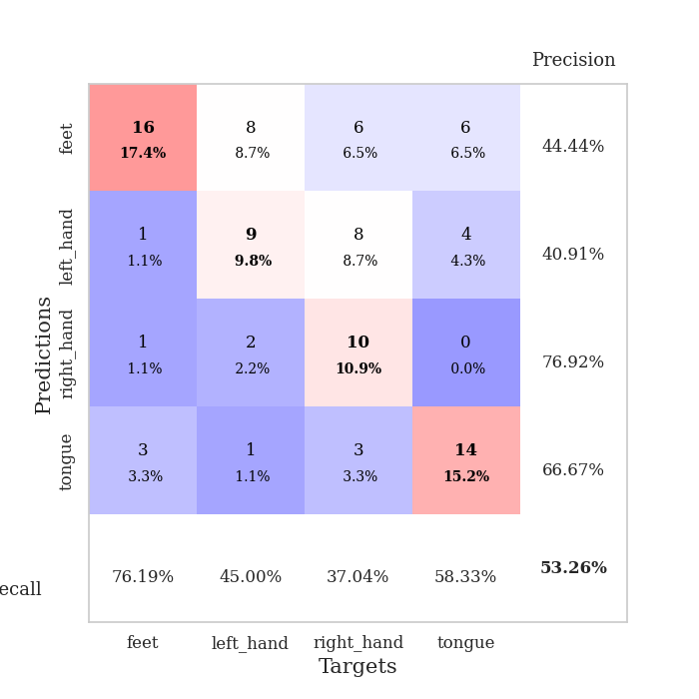
train_loss | valid_loss | train_accuracy | valid_accuracy | dur | train_misclass | valid_misclass
1.4809639298 | 1.3580394154 | 0.44836956522 | 0.32608695652 | 0.08079791069 | 44.836956522 | 32.608695652
1.2297742548 | 1.4138253461 | 0.54347826087 | 0.35869565217 | 0.081459522247 | 54.347826087 | 35.869565217
1.0427578299 | 1.6374748271 | 0.5 | 0.41304347826 | 0.081403255463 | 50 | 41.304347826
0.90268509025 | 1.9201168444 | 0.54076086957 | 0.35869565217 | 0.080659627914 | 54.076086957 | 35.869565217
0.83061039966 | 1.8879009226 | 0.60869565217 | 0.38043478261 | 0.080920219421 | 60.869565217 | 38.043478261
0.74839911513 | 1.6125079031 | 0.77173913043 | 0.41304347826 | 0.08008480072 | 77.173913043 | 41.304347826
0.62099722287 | 1.7822825598 | 0.79619565217 | 0.46739130435 | 0.080561637878 | 79.619565217 | 46.739130435
0.60701988314 | 1.5472199658 | 0.875 | 0.48913043478 | 0.080617666245 | 87.5 | 48.913043478
0.5765368161 | 1.944504769 | 0.84239130435 | 0.42391304348 | 0.088228702545 | 84.239130435 | 42.391304348
0.48289973839 | 1.6047660164 | 0.91032608696 | 0.48913043478 | 0.081126689911 | 91.032608696 | 48.913043478
0.51207127066 | 1.646627763 | 0.94836956522 | 0.48913043478 | 0.079565525055 | 94.836956522 | 48.913043478
0.42091430594 | 1.6068593056 | 0.92119565217 | 0.48913043478 | 0.079387187958 | 92.119565217 | 48.913043478
0.41675665392 | 1.6255183531 | 0.92934782609 | 0.53260869565 | 0.08052110672 | 92.934782609 | 53.260869565
0.35566294647 | 1.7974750788 | 0.96467391304 | 0.52173913043 | 0.079248428345 | 96.467391304 | 52.173913043
0.35046933656 | 1.8140668403 | 0.8777173913 | 0.44565217391 | 0.081467151642 | 87.77173913 | 44.565217391
0.37497402922 | 2.2326839799 | 0.8722826087 | 0.4347826087 | 0.08336687088 | 87.22826087 | 43.47826087
0.3399771737 | 2.0889709203 | 0.94836956522 | 0.46739130435 | 0.079102516174 | 94.836956522 | 46.739130435
0.25667483133 | 1.8592716922 | 0.98913043478 | 0.46739130435 | 0.079043865204 | 98.913043478 | 46.739130435
0.2632379263 | 1.7068508656 | 0.98913043478 | 0.48913043478 | 0.079207658768 | 98.913043478 | 48.913043478
0.28463120856 | 1.8882961377 | 0.99184782609 | 0.45652173913 | 0.078958511353 | 99.184782609 | 45.652173913
0.23947550907 | 1.8304047274 | 0.96739130435 | 0.5 | 0.079122781754 | 96.739130435 | 50
0.24365585783 | 1.6724884199 | 0.99456521739 | 0.45652173913 | 0.079289913177 | 99.456521739 | 45.652173913
0.20726004243 | 1.6521016152 | 0.98641304348 | 0.47826086957 | 0.079421520233 | 98.641304348 | 47.826086957
0.22443671913 | 1.6378863376 | 0.99184782609 | 0.5 | 0.079229593277 | 99.184782609 | 50
0.2152297743 | 1.5205120418 | 0.99456521739 | 0.5 | 0.079357624054 | 99.456521739 | 50
0.17895760905 | 1.5630634297 | 0.9972826087 | 0.5 | 0.07933306694 | 99.72826087 | 50
0.16276641838 | 1.5762501333 | 0.99456521739 | 0.47826086957 | 0.079154729843 | 99.456521739 | 47.826086957
0.17721996797 | 1.5780078173 | 0.99184782609 | 0.5 | 0.079310417175 | 99.184782609 | 50
0.16660191475 | 1.5661404599 | 1 | 0.5 | 0.079612493515 | 100 | 50
0.12776399857 | 1.6219251519 | 1 | 0.46739130435 | 0.095521450043 | 100 | 46.739130435
0.15935218658 | 1.6360939223 | 1 | 0.47826086957 | 0.079460144043 | 100 | 47.826086957
0.11402993674 | 1.5751652977 | 1 | 0.48913043478 | 0.078490972519 | 100 | 48.913043478
0.13840657181 | 1.5922758631 | 1 | 0.5 | 0.078202962875 | 100 | 50
0.10849281797 | 1.5833685502 | 1 | 0.51086956522 | 0.078225374222 | 100 | 51.086956522
0.11998434478 | 1.5953948809 | 1 | 0.47826086957 | 0.078351974487 | 100 | 47.826086957
0.12543358038 | 1.638814864 | 1 | 0.48913043478 | 0.078145503998 | 100 | 48.913043478
0.13599741945 | 1.6833224141 | 1 | 0.5 | 0.078303575516 | 100 | 50
0.11525950063 | 1.6377871555 | 1 | 0.47826086957 | 0.078201770782 | 100 | 47.826086957
0.098076725379 | 1.6156231631 | 1 | 0.5 | 0.078582763672 | 100 | 50
0.12466459138 | 1.5840489139 | 1 | 0.52173913043 | 0.078919410706 | 100 | 52.173913043
0.10910011828 | 1.6058196037 | 1 | 0.48913043478 | 0.078589439392 | 100 | 48.913043478
0.095590252591 | 1.6199729287 | 1 | 0.5 | 0.078703403473 | 100 | 50
0.13094179705 | 1.6212931353 | 1 | 0.48913043478 | 0.078498601913 | 100 | 48.913043478
0.09176141955 | 1.6192229261 | 1 | 0.5 | 0.078689575195 | 100 | 50
0.0741961747 | 1.6243664182 | 1 | 0.5 | 0.078805446625 | 100 | 50
0.10406964791 | 1.6306181369 | 1 | 0.48913043478 | 0.078670740128 | 100 | 48.913043478
0.12621940365 | 1.6319921017 | 1 | 0.47826086957 | 0.078615903854 | 100 | 47.826086957
0.10026173456 | 1.6306475194 | 1 | 0.48913043478 | 0.078597068787 | 100 | 48.913043478
0.066412075544 | 1.6313532487 | 1 | 0.48913043478 | 0.078553915024 | 100 | 48.913043478
0.1028162471 | 1.6316159808 | 1 | 0.48913043478 | 0.078651428223 | 100 | 48.913043478

Best Val accuracy is 0.532608695652174 and Best test accuracy is 0.4051724137931034

Sheet9
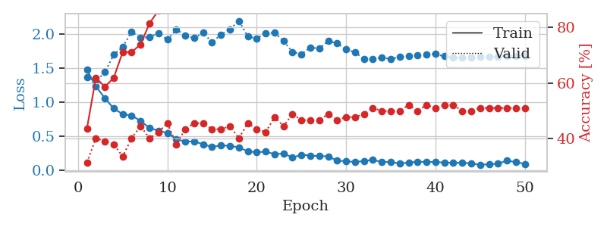
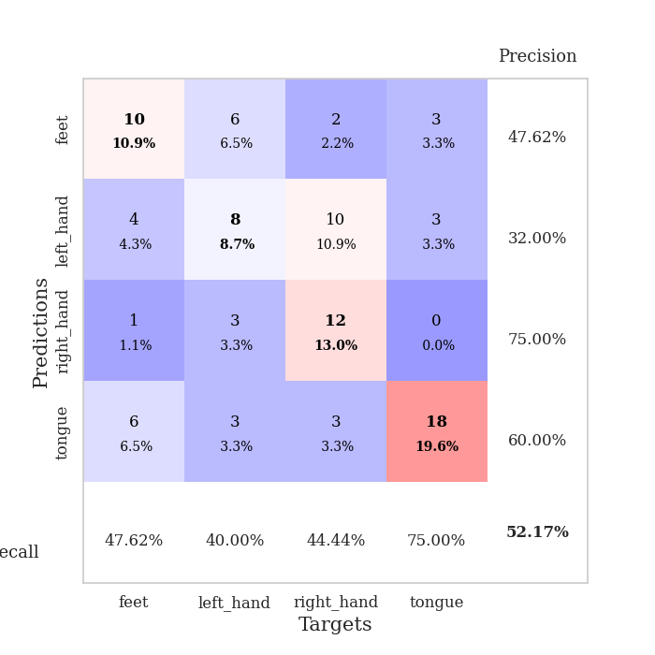
train_loss | valid_loss | train_accuracy | valid_accuracy | dur | train_misclass | valid_misclass
1.4742497672 | 1.3729758677 | 0.4375 | 0.3152173913 | 0.078568935394 | 43.75 | 31.52173913
1.2338117931 | 1.3048828996 | 0.61956521739 | 0.40217391304 | 0.0790579319 | 61.956521739 | 40.217391304
1.0624256445 | 1.4407465717 | 0.58695652174 | 0.39130434783 | 0.078811645508 | 58.695652174 | 39.130434783
0.90896795366 | 1.6978720427 | 0.61956521739 | 0.38043478261 | 0.080339193344 | 61.956521739 | 38.043478261
0.82719267192 | 1.8105707739 | 0.71195652174 | 0.33695652174 | 0.078731536865 | 71.195652174 | 33.695652174
0.8074488575 | 2.0359794679 | 0.71195652174 | 0.40217391304 | 0.078593015671 | 71.195652174 | 40.217391304
0.72797976369 | 1.9420389766 | 0.73913043478 | 0.44565217391 | 0.078401565552 | 73.913043478 | 44.565217391
0.62500712794 | 1.9585656239 | 0.8152173913 | 0.40217391304 | 0.078542232513 | 81.52173913 | 40.217391304
0.58405289572 | 2.0090018044 | 0.86141304348 | 0.42391304348 | 0.078411817551 | 86.141304348 | 42.391304348
0.55192169677 | 1.9177533284 | 0.91304347826 | 0.45652173913 | 0.078523159027 | 91.304347826 | 45.652173913
0.45956822971 | 2.0654771017 | 0.94293478261 | 0.38043478261 | 0.078530788422 | 94.293478261 | 38.043478261
0.42576152151 | 1.9834581251 | 0.9402173913 | 0.4347826087 | 0.078621387482 | 94.02173913 | 43.47826087
0.42771098925 | 1.9397956133 | 0.91576086957 | 0.45652173913 | 0.078777074814 | 91.576086957 | 45.652173913
0.386293581 | 2.0191228908 | 0.96739130435 | 0.45652173913 | 0.078679561615 | 96.739130435 | 45.652173913
0.34659269582 | 1.8791398276 | 0.97282608696 | 0.4347826087 | 0.078616142273 | 97.282608696 | 43.47826087
0.36881558208 | 1.989474224 | 0.98641304348 | 0.4347826087 | 0.078561306 | 98.641304348 | 43.47826087
0.36454947163 | 2.0709305328 | 0.98097826087 | 0.44565217391 | 0.078677654266 | 98.097826087 | 44.565217391
0.34047282843 | 2.1938789616 | 0.96195652174 | 0.40217391304 | 0.078898429871 | 96.195652174 | 40.217391304
0.28316836415 | 1.9649037693 | 0.99184782609 | 0.45652173913 | 0.078657865524 | 99.184782609 | 45.652173913
0.26981639668 | 1.9346162444 | 0.9972826087 | 0.4347826087 | 0.078716278076 | 99.72826087 | 43.47826087
0.27796752751 | 2.0136142192 | 0.9972826087 | 0.42391304348 | 0.078686714172 | 99.72826087 | 42.391304348
0.24142782941 | 2.0195982145 | 0.98913043478 | 0.47826086957 | 0.078975200653 | 98.913043478 | 47.826086957
0.25231122064 | 1.8971712382 | 0.9972826087 | 0.44565217391 | 0.078905105591 | 99.72826087 | 44.565217391
0.19158052459 | 1.7390081468 | 1 | 0.48913043478 | 0.078705787659 | 100 | 48.913043478
0.23267193803 | 1.7057427634 | 1 | 0.46739130435 | 0.07891368866 | 100 | 46.739130435
0.22042131748 | 1.8038718389 | 0.99456521739 | 0.46739130435 | 0.0786216259 | 99.456521739 | 46.739130435
0.21212917275 | 1.7881183624 | 0.99456521739 | 0.46739130435 | 0.078572511673 | 99.456521739 | 46.739130435
0.20998739678 | 1.8986261824 | 1 | 0.48913043478 | 0.078678369522 | 100 | 48.913043478
0.14520841481 | 1.863217416 | 1 | 0.46739130435 | 0.078882932663 | 100 | 46.739130435
0.13952063915 | 1.7745161886 | 1 | 0.47826086957 | 0.078676700592 | 100 | 47.826086957
0.12482156054 | 1.7333219777 | 1 | 0.47826086957 | 0.078351020813 | 100 | 47.826086957
0.14293850764 | 1.6380364999 | 1 | 0.48913043478 | 0.07820558548 | 100 | 48.913043478
0.15740502277 | 1.6386942138 | 1 | 0.51086956522 | 0.078635454178 | 100 | 51.086956522
0.12649569984 | 1.6554865111 | 1 | 0.5 | 0.079045057297 | 100 | 50
0.12832382823 | 1.6351544028 | 1 | 0.5 | 0.078598976135 | 100 | 50
0.10358619803 | 1.6659855635 | 1 | 0.5 | 0.078795194626 | 100 | 50
0.11834588517 | 1.6750690108 | 1 | 0.52173913043 | 0.078545570374 | 100 | 52.173913043
0.1304005812 | 1.6874118681 | 1 | 0.5 | 0.079058408737 | 100 | 50
0.12736266171 | 1.704530944 | 1 | 0.52173913043 | 0.078469276428 | 100 | 52.173913043
0.12580107833 | 1.7067499783 | 1 | 0.51086956522 | 0.078619480133 | 100 | 51.086956522
0.1173860979 | 1.6732918076 | 1 | 0.52173913043 | 0.078584909439 | 100 | 52.173913043
0.11391873188 | 1.658208847 | 1 | 0.52173913043 | 0.078689336777 | 100 | 52.173913043
0.11541264148 | 1.6515487588 | 1 | 0.5 | 0.07862329483 | 100 | 50
0.10548523085 | 1.655251674 | 1 | 0.5 | 0.078637599945 | 100 | 50
0.085986576488 | 1.6656497095 | 1 | 0.51086956522 | 0.078779935837 | 100 | 51.086956522
0.092769316843 | 1.669409586 | 1 | 0.51086956522 | 0.078633308411 | 100 | 51.086956522
0.10014668415 | 1.6723257925 | 1 | 0.51086956522 | 0.078762292862 | 100 | 51.086956522
0.1478735743 | 1.6763320591 | 1 | 0.51086956522 | 0.079142093658 | 100 | 51.086956522
0.12428670004 | 1.6796918434 | 1 | 0.51086956522 | 0.078647375107 | 100 | 51.086956522
0.098541171007 | 1.68168523 | 1 | 0.51086956522 | 0.07857465744 | 100 | 51.086956522

Best Val accuracy is 0.5217391304347826 and Best test accuracy is 0.5431034482758621

Sheet10
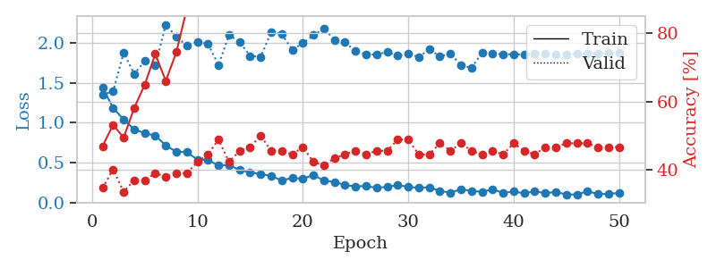
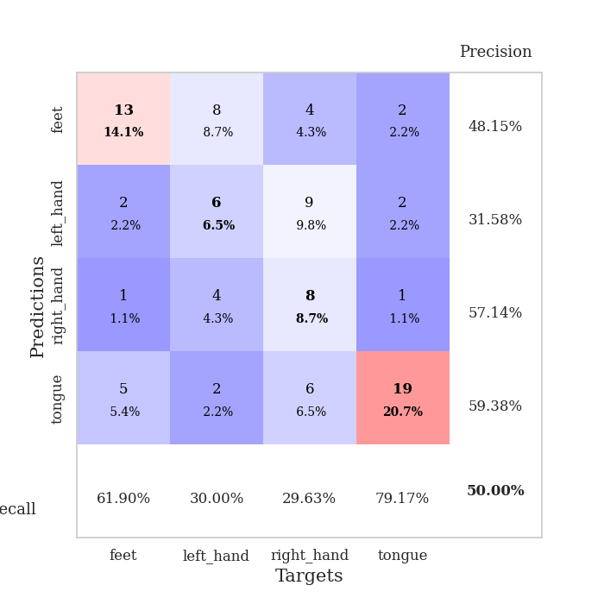
train_loss | valid_loss | train_accuracy | valid_accuracy | dur | train_misclass | valid_misclass
1.4409941331 | 1.3532708624 | 0.47010869565 | 0.34782608696 | 0.078102588654 | 47.010869565 | 34.782608696
1.1875512911 | 1.3975861435 | 0.53260869565 | 0.40217391304 | 0.07919883728 | 53.260869565 | 40.217391304
1.0402911305 | 1.8800986331 | 0.49456521739 | 0.33695652174 | 0.079492092133 | 49.456521739 | 33.695652174
0.91903418303 | 1.6140294697 | 0.58152173913 | 0.36956521739 | 0.078977584839 | 58.152173913 | 36.956521739
0.86809973613 | 1.7740446951 | 0.64945652174 | 0.36956521739 | 0.077944278717 | 64.945652174 | 36.956521739
0.84024811309 | 1.718092965 | 0.73913043478 | 0.39130434783 | 0.077750205994 | 73.913043478 | 39.130434783
0.71488310202 | 2.2340614277 | 0.66032608696 | 0.38043478261 | 0.077934265137 | 66.032608696 | 38.043478261
0.63653115993 | 2.0805258025 | 0.74456521739 | 0.39130434783 | 0.077817201614 | 74.456521739 | 39.130434783
0.6321868443 | 1.9668956632 | 0.8722826087 | 0.39130434783 | 0.077653884888 | 87.22826087 | 39.130434783
0.53662627158 | 2.0198022179 | 0.88858695652 | 0.42391304348 | 0.078102111816 | 88.858695652 | 42.391304348
0.53316824916 | 1.9885604485 | 0.89945652174 | 0.44565217391 | 0.078326225281 | 89.945652174 | 44.565217391
0.46431905096 | 1.7273598754 | 0.93206521739 | 0.48913043478 | 0.078096628189 | 93.206521739 | 48.913043478
0.47064782355 | 2.1029353245 | 0.94836956522 | 0.42391304348 | 0.078265666962 | 94.836956522 | 42.391304348
0.40511238705 | 2.0155404754 | 0.95108695652 | 0.45652173913 | 0.078163385391 | 95.108695652 | 45.652173913
0.37839264002 | 1.8407016578 | 0.97554347826 | 0.46739130435 | 0.078284025192 | 97.554347826 | 46.739130435
0.35503258653 | 1.8279868572 | 0.93206521739 | 0.5 | 0.078269004822 | 93.206521739 | 50
0.33498857397 | 2.1398081572 | 0.98641304348 | 0.45652173913 | 0.077940940857 | 98.641304348 | 45.652173913
0.27237821273 | 2.11508116 | 0.97826086957 | 0.45652173913 | 0.078018903732 | 97.826086957 | 45.652173913
0.31050425768 | 1.9174011427 | 0.97010869565 | 0.44565217391 | 0.078148603439 | 97.010869565 | 44.565217391
0.29442586977 | 1.9993017808 | 1 | 0.46739130435 | 0.078225135803 | 100 | 46.739130435
0.34714390791 | 2.0997988556 | 0.97554347826 | 0.42391304348 | 0.078142881393 | 97.554347826 | 42.391304348
0.27244575289 | 2.1837930783 | 0.99184782609 | 0.41304347826 | 0.078066110611 | 99.184782609 | 41.304347826
0.25741701832 | 2.0429906949 | 0.99184782609 | 0.4347826087 | 0.078061342239 | 99.184782609 | 43.47826087
0.21757461422 | 2.0120913464 | 0.99456521739 | 0.44565217391 | 0.078220129013 | 99.456521739 | 44.565217391
0.20097000346 | 1.900188814 | 1 | 0.45652173913 | 0.078243970871 | 100 | 45.652173913
0.20588927003 | 1.86152566 | 0.99456521739 | 0.44565217391 | 0.07808470726 | 99.456521739 | 44.565217391
0.18186384083 | 1.8571486421 | 0.99184782609 | 0.45652173913 | 0.078187227249 | 99.184782609 | 45.652173913
0.19553632143 | 1.8902732963 | 0.9972826087 | 0.45652173913 | 0.078211784363 | 99.72826087 | 45.652173913
0.21674101427 | 1.8423529086 | 1 | 0.48913043478 | 0.078099727631 | 100 | 48.913043478
0.19553791132 | 1.8733772972 | 1 | 0.48913043478 | 0.080102920532 | 100 | 48.913043478
0.18167305284 | 1.8229783773 | 1 | 0.44565217391 | 0.07976269722 | 100 | 44.565217391
0.19073415337 | 1.9284827346 | 0.9972826087 | 0.44565217391 | 0.079053878784 | 99.72826087 | 44.565217391
0.14348112176 | 1.8309432164 | 1 | 0.47826086957 | 0.078544616699 | 100 | 47.826086957
0.12322680393 | 1.8727760108 | 1 | 0.45652173913 | 0.078327655792 | 100 | 45.652173913
0.16453939611 | 1.7226246699 | 1 | 0.47826086957 | 0.078667163849 | 100 | 47.826086957
0.14366375914 | 1.6916681735 | 1 | 0.45652173913 | 0.078706026077 | 100 | 45.652173913
0.13298294126 | 1.8796814887 | 1 | 0.44565217391 | 0.078553438187 | 100 | 44.565217391
0.16316359944 | 1.8679233271 | 1 | 0.45652173913 | 0.078656196594 | 100 | 45.652173913
0.11972701161 | 1.8616473778 | 1 | 0.44565217391 | 0.078640699387 | 100 | 44.565217391
0.13527446386 | 1.8604223676 | 1 | 0.47826086957 | 0.07851600647 | 100 | 47.826086957
0.11487481201 | 1.8593131718 | 1 | 0.45652173913 | 0.078535079956 | 100 | 45.652173913
0.13742153938 | 1.8728009462 | 1 | 0.44565217391 | 0.078679800034 | 100 | 44.565217391
0.11694296061 | 1.869544107 | 1 | 0.46739130435 | 0.080133199692 | 100 | 46.739130435
0.13058032695 | 1.8616467092 | 1 | 0.46739130435 | 0.078551292419 | 100 | 46.739130435
0.099177369686 | 1.8606096351 | 1 | 0.47826086957 | 0.078606367111 | 100 | 47.826086957
0.098772438405 | 1.8680336372 | 1 | 0.47826086957 | 0.078520536423 | 100 | 47.826086957
0.14236342753 | 1.871998704 | 1 | 0.47826086957 | 0.078858375549 | 100 | 47.826086957
0.10263518625 | 1.8731468657 | 1 | 0.46739130435 | 0.078953027725 | 100 | 46.739130435
0.10760464616 | 1.875669951 | 1 | 0.46739130435 | 0.078782081604 | 100 | 46.739130435
0.11809915296 | 1.8771486438 | 1 | 0.46739130435 | 0.078727006912 | 100 | 46.739130435

Best Val accuracy is 0.5 and Best test accuracy is 0.41379310344827586

