Sheet
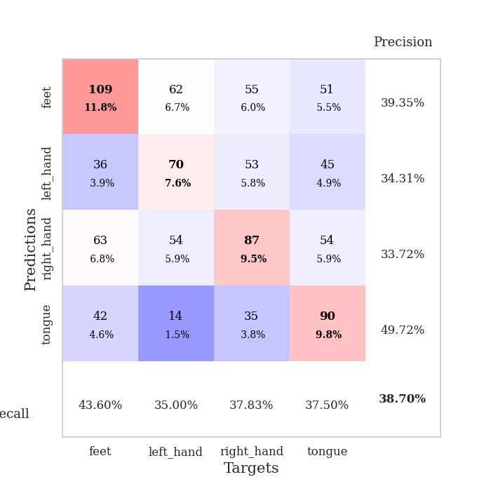
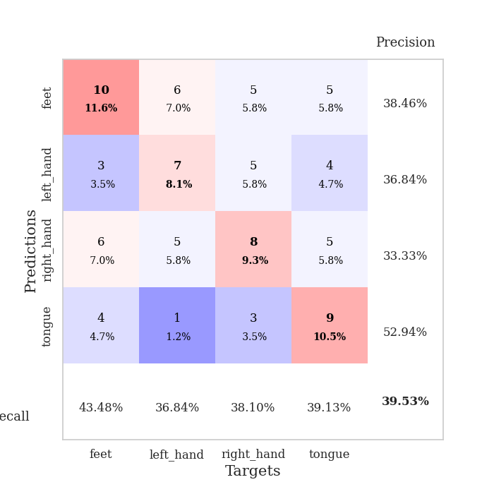
best_val_acc | best_val_los | best_test_acc
0.40217391304 | 1.5329202362 | 0.36206896552
0.44565217391 | 1.4439280914 | 0.43965517241
0.39130434783 | 1.4201944807 | 0.37068965517
0.40217391304 | 1.437975049 | 0.41379310345
0.39130434783 | 1.4238031273 | 0.35344827586
0.35869565217 | 1.4396867545 | 0.37931034483
0.44565217391 | 1.4271361102 | 0.37931034483
0.33695652174 | 1.4165994862 | 0.31896551724
0.35869565217 | 1.4392890878 | 0.31034482759
0.33695652174 | 1.4371206657 | 0.29310344828

Mean,std Val accuracy is 0.3869565217391304 , 0.039424552199233166 and mean, std test accuracy is 0.3620689655172414 , 0.045616401914906735

Sheet1
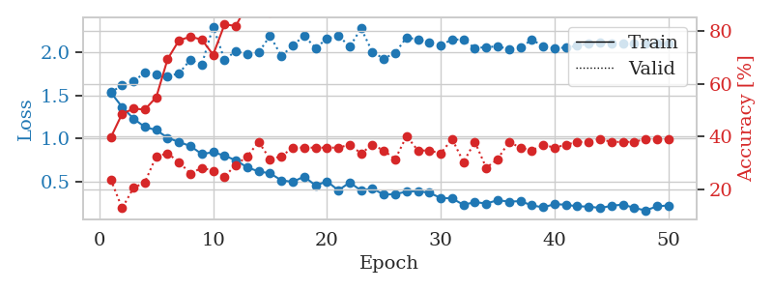
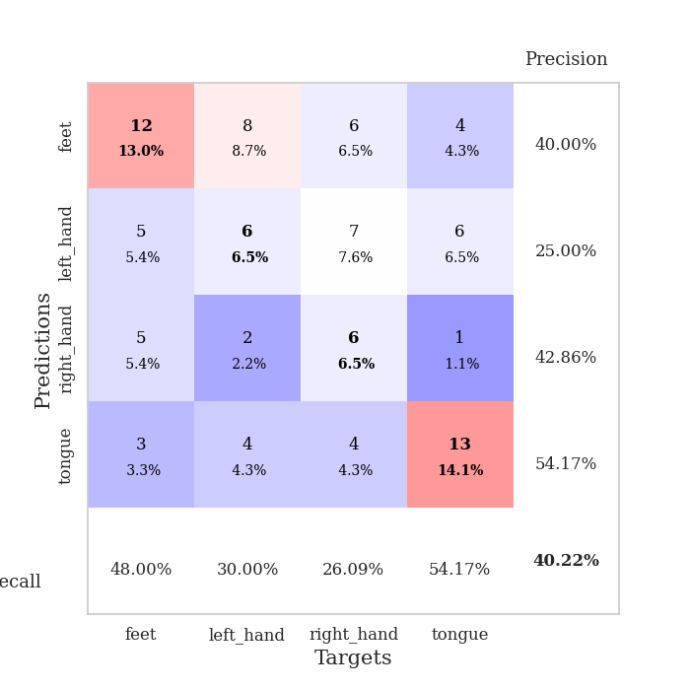
train_loss | valid_loss | train_accuracy | valid_accuracy | dur | train_misclass | valid_misclass
1.5353726563 | 1.5329202362 | 0.39673913043 | 0.23913043478 | 0.080155611038 | 39.673913043 | 23.913043478
1.3649837504 | 1.6180271325 | 0.48641304348 | 0.13043478261 | 0.078275203705 | 48.641304348 | 13.043478261
1.2306973856 | 1.6621622417 | 0.50543478261 | 0.20652173913 | 0.078339099884 | 50.543478261 | 20.652173913
1.1330496824 | 1.7631776644 | 0.5027173913 | 0.22826086957 | 0.078675746918 | 50.27173913 | 22.826086957
1.0989788952 | 1.7374593486 | 0.54891304348 | 0.32608695652 | 0.078315258026 | 54.891304348 | 32.608695652
1.0084857137 | 1.7193299221 | 0.69293478261 | 0.33695652174 | 0.078669309616 | 69.293478261 | 33.695652174
0.96016231309 | 1.7542436641 | 0.76358695652 | 0.30434782609 | 0.081365346909 | 76.358695652 | 30.434782609
0.91307473053 | 1.9125604681 | 0.77717391304 | 0.26086956522 | 0.077713012695 | 77.717391304 | 26.086956522
0.82074322649 | 1.8554689988 | 0.76630434783 | 0.28260869565 | 0.077998876572 | 76.630434783 | 28.260869565
0.84159739639 | 2.2958464208 | 0.70923913043 | 0.27173913043 | 0.077772140503 | 70.923913043 | 27.173913043
0.80210186217 | 1.9132175549 | 0.82336956522 | 0.25 | 0.077961444855 | 82.336956522 | 25
0.74773247734 | 2.0119150203 | 0.81793478261 | 0.29347826087 | 0.078125 | 81.793478261 | 29.347826087
0.66607709942 | 1.9740310337 | 0.89945652174 | 0.32608695652 | 0.077683925629 | 89.945652174 | 32.608695652
0.61947576637 | 1.9958157643 | 0.88586956522 | 0.38043478261 | 0.077641248703 | 88.586956522 | 38.043478261
0.59748913413 | 2.190205657 | 0.86684782609 | 0.3152173913 | 0.077777385712 | 86.684782609 | 31.52173913
0.51650636028 | 1.954505257 | 0.90760869565 | 0.32608695652 | 0.077698230743 | 90.760869565 | 32.608695652
0.4986754617 | 2.0776811475 | 0.95380434783 | 0.35869565217 | 0.078232526779 | 95.380434783 | 35.869565217
0.56082266828 | 2.1897156239 | 0.92119565217 | 0.35869565217 | 0.077929019928 | 92.119565217 | 35.869565217
0.45599938216 | 2.0492284764 | 0.9402173913 | 0.35869565217 | 0.07757973671 | 94.02173913 | 35.869565217
0.50457688972 | 2.1541361187 | 0.9375 | 0.35869565217 | 0.077701807022 | 93.75 | 35.869565217
0.40160397149 | 2.1950171927 | 0.94836956522 | 0.35869565217 | 0.077888011932 | 94.836956522 | 35.869565217
0.49090769887 | 2.0615175859 | 0.96467391304 | 0.36956521739 | 0.078012943268 | 96.467391304 | 36.956521739
0.39927802591 | 2.2747343053 | 0.97826086957 | 0.33695652174 | 0.077626228333 | 97.826086957 | 33.695652174
0.42328073279 | 1.9995220433 | 0.98913043478 | 0.36956521739 | 0.077671289444 | 98.913043478 | 36.956521739
0.34969733267 | 1.925309119 | 0.99456521739 | 0.34782608696 | 0.077960968018 | 99.456521739 | 34.782608696
0.35800345631 | 1.9913375948 | 0.97282608696 | 0.3152173913 | 0.077895641327 | 97.282608696 | 31.52173913
0.38446410648 | 2.170385651 | 0.98641304348 | 0.40217391304 | 0.078021526337 | 98.641304348 | 40.217391304
0.39276214009 | 2.1469088793 | 0.96467391304 | 0.34782608696 | 0.07811331749 | 96.467391304 | 34.782608696
0.37174199781 | 2.1096626779 | 0.99184782609 | 0.34782608696 | 0.077749013901 | 99.184782609 | 34.782608696
0.3128604701 | 2.0752620697 | 0.99456521739 | 0.33695652174 | 0.077986001968 | 99.456521739 | 33.695652174
0.30730684458 | 2.1503270657 | 0.98097826087 | 0.39130434783 | 0.078128099442 | 98.097826087 | 39.130434783
0.23285378192 | 2.1415730145 | 0.98097826087 | 0.30434782609 | 0.077763795853 | 98.097826087 | 30.434782609
0.26492345949 | 2.0485149726 | 1 | 0.38043478261 | 0.077674150467 | 100 | 38.043478261
0.24765642473 | 2.0575903343 | 0.97826086957 | 0.28260869565 | 0.078028917313 | 97.826086957 | 28.260869565
0.28672207892 | 2.067722419 | 0.9972826087 | 0.3152173913 | 0.078033208847 | 99.72826087 | 31.52173913
0.26995209637 | 2.0344868898 | 0.9972826087 | 0.38043478261 | 0.078077077866 | 99.72826087 | 38.043478261
0.27563697197 | 2.0538960747 | 1 | 0.35869565217 | 0.077681779861 | 100 | 35.869565217
0.22665987358 | 2.1427439348 | 0.9972826087 | 0.34782608696 | 0.077768325806 | 99.72826087 | 34.782608696
0.20378295656 | 2.072178654 | 0.9972826087 | 0.36956521739 | 0.078005075455 | 99.72826087 | 36.956521739
0.24077141236 | 2.044372543 | 0.9972826087 | 0.35869565217 | 0.078078746796 | 99.72826087 | 35.869565217
0.23433150772 | 2.0539169156 | 0.9972826087 | 0.36956521739 | 0.078078985214 | 99.72826087 | 36.956521739
0.21507889097 | 2.0732287946 | 0.9972826087 | 0.38043478261 | 0.078255653381 | 99.72826087 | 38.043478261
0.21304660971 | 2.0973622851 | 0.9972826087 | 0.38043478261 | 0.078019618988 | 99.72826087 | 38.043478261
0.19606801544 | 2.1077963995 | 0.9972826087 | 0.39130434783 | 0.078263998032 | 99.72826087 | 39.130434783
0.22071438704 | 2.1045140546 | 0.9972826087 | 0.38043478261 | 0.077859401703 | 99.72826087 | 38.043478261
0.23659868312 | 2.0960292142 | 0.9972826087 | 0.38043478261 | 0.078027486801 | 99.72826087 | 38.043478261
0.19767191131 | 2.0948049297 | 0.9972826087 | 0.38043478261 | 0.078034877777 | 99.72826087 | 38.043478261
0.16741185927 | 2.0968158919 | 0.9972826087 | 0.39130434783 | 0.077840805054 | 99.72826087 | 39.130434783
0.21521467618 | 2.0983576515 | 0.9972826087 | 0.39130434783 | 0.077787399292 | 99.72826087 | 39.130434783
0.22575223543 | 2.1007460563 | 0.9972826087 | 0.39130434783 | 0.07763004303 | 99.72826087 | 39.130434783

Best Val accuracy is 0.40217391304347827 and Best test accuracy is 0.3620689655172414

Sheet2
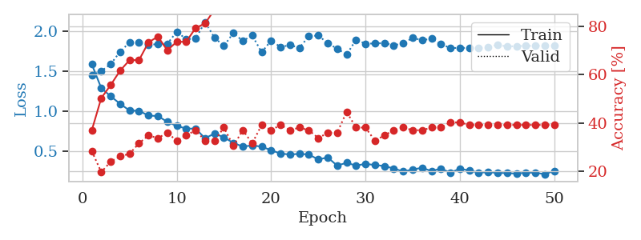
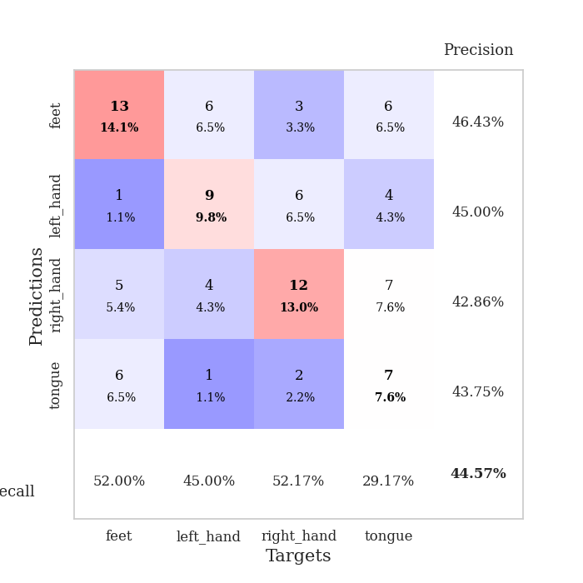
train_loss | valid_loss | train_accuracy | valid_accuracy | dur | train_misclass | valid_misclass
1.5825878796 | 1.4439280914 | 0.36956521739 | 0.28260869565 | 0.078589439392 | 36.956521739 | 28.260869565
1.2847876419 | 1.4977952242 | 0.5027173913 | 0.19565217391 | 0.077345132828 | 50.27173913 | 19.565217391
1.1828949451 | 1.5847235503 | 0.55706521739 | 0.23913043478 | 0.076994419098 | 55.706521739 | 23.913043478
1.087833503 | 1.7410821241 | 0.61684782609 | 0.26086956522 | 0.077384471893 | 61.684782609 | 26.086956522
1.004484257 | 1.856654644 | 0.66032608696 | 0.27173913043 | 0.077415943146 | 66.032608696 | 27.173913043
1.0006409391 | 1.8615191242 | 0.66032608696 | 0.3152173913 | 0.077889919281 | 66.032608696 | 31.52173913
0.94127574693 | 1.8260904654 | 0.73369565217 | 0.34782608696 | 0.078437805176 | 73.369565217 | 34.782608696
0.93482637794 | 1.8360757154 | 0.75815217391 | 0.33695652174 | 0.077481746674 | 75.815217391 | 33.695652174
0.86313773886 | 1.8391461424 | 0.70108695652 | 0.35869565217 | 0.077754974365 | 70.108695652 | 35.869565217
0.81081945352 | 1.9906734021 | 0.73641304348 | 0.32608695652 | 0.077996492386 | 73.641304348 | 32.608695652
0.77871335978 | 1.8982271941 | 0.73641304348 | 0.34782608696 | 0.077898263931 | 73.641304348 | 34.782608696
0.77722510436 | 1.9048080082 | 0.79347826087 | 0.36956521739 | 0.077876806259 | 79.347826087 | 36.956521739
0.65639865398 | 2.1121510267 | 0.8125 | 0.32608695652 | 0.078120946884 | 81.25 | 32.608695652
0.71664049574 | 1.9161637089 | 0.86956521739 | 0.32608695652 | 0.0778028965 | 86.956521739 | 32.608695652
0.66837691872 | 1.8126334159 | 0.90217391304 | 0.38043478261 | 0.077955722809 | 90.217391304 | 38.043478261
0.5985448503 | 1.9747684313 | 0.8777173913 | 0.30434782609 | 0.078160047531 | 87.77173913 | 30.434782609
0.55305560905 | 1.8746391949 | 0.93206521739 | 0.36956521739 | 0.077738761902 | 93.206521739 | 36.956521739
0.56771317513 | 1.9440812857 | 0.88586956522 | 0.3152173913 | 0.077651262283 | 88.586956522 | 31.52173913
0.55238968652 | 1.7334076425 | 0.94836956522 | 0.39130434783 | 0.077999591827 | 94.836956522 | 39.130434783
0.50709638323 | 1.8793410529 | 0.94565217391 | 0.36956521739 | 0.08056306839 | 94.565217391 | 36.956521739
0.46526519825 | 1.7988659403 | 0.96195652174 | 0.39130434783 | 0.078029632568 | 96.195652174 | 39.130434783
0.45440842211 | 1.8234419667 | 0.96467391304 | 0.36956521739 | 0.077847003937 | 96.467391304 | 36.956521739
0.46222322467 | 1.7901826786 | 0.97554347826 | 0.38043478261 | 0.078203201294 | 97.554347826 | 38.043478261
0.45416885485 | 1.9330996845 | 0.95380434783 | 0.36956521739 | 0.077942609787 | 95.380434783 | 36.956521739
0.39139903887 | 1.943787072 | 0.97010869565 | 0.33695652174 | 0.07808971405 | 97.010869565 | 33.695652174
0.41763464459 | 1.8470223105 | 0.98097826087 | 0.35869565217 | 0.078064680099 | 98.097826087 | 35.869565217
0.31471648197 | 1.778061986 | 0.98097826087 | 0.35869565217 | 0.077993392944 | 98.097826087 | 35.869565217
0.3505138852 | 1.7042983356 | 0.98913043478 | 0.44565217391 | 0.077865839005 | 98.913043478 | 44.565217391
0.31492481737 | 1.8890162344 | 0.97554347826 | 0.38043478261 | 0.078147888184 | 97.554347826 | 38.043478261
0.33684124765 | 1.8413332545 | 0.98641304348 | 0.38043478261 | 0.078135251999 | 98.641304348 | 38.043478261
0.32216002403 | 1.8429504011 | 0.98913043478 | 0.32608695652 | 0.078033924103 | 98.913043478 | 32.608695652
0.30952910431 | 1.8499716935 | 0.99456521739 | 0.34782608696 | 0.078033208847 | 99.456521739 | 34.782608696
0.27830198148 | 1.8202542792 | 0.9972826087 | 0.36956521739 | 0.079103946686 | 99.72826087 | 36.956521739
0.2414748633 | 1.8462740908 | 0.9972826087 | 0.38043478261 | 0.078512191772 | 99.72826087 | 38.043478261
0.26599108266 | 1.9125197919 | 0.99456521739 | 0.36956521739 | 0.078183174133 | 99.456521739 | 36.956521739
0.28748839154 | 1.8856231544 | 0.9972826087 | 0.36956521739 | 0.077721118927 | 99.72826087 | 36.956521739
0.2459920635 | 1.9021181749 | 0.99456521739 | 0.38043478261 | 0.078120708466 | 99.456521739 | 38.043478261
0.2782629359 | 1.8321345112 | 0.9972826087 | 0.38043478261 | 0.077976703644 | 99.72826087 | 38.043478261
0.22595019833 | 1.7893144151 | 1 | 0.40217391304 | 0.077837228775 | 100 | 40.217391304
0.27720657785 | 1.785490347 | 1 | 0.40217391304 | 0.077919244766 | 100 | 40.217391304
0.2526309406 | 1.7908216559 | 1 | 0.39130434783 | 0.077847003937 | 100 | 39.130434783
0.22794318199 | 1.7873104863 | 1 | 0.39130434783 | 0.07794213295 | 100 | 39.130434783
0.23168512401 | 1.7981767499 | 1 | 0.39130434783 | 0.07773065567 | 100 | 39.130434783
0.22586662355 | 1.8262636402 | 1 | 0.39130434783 | 0.078094959259 | 100 | 39.130434783
0.21990250747 | 1.8061140828 | 1 | 0.39130434783 | 0.077880382538 | 100 | 39.130434783
0.21573451129 | 1.8106381012 | 1 | 0.39130434783 | 0.077863931656 | 100 | 39.130434783
0.22685402988 | 1.8130458075 | 1 | 0.39130434783 | 0.077886581421 | 100 | 39.130434783
0.22588037554 | 1.8138056061 | 1 | 0.39130434783 | 0.078145742416 | 100 | 39.130434783
0.20732655862 | 1.8167556835 | 1 | 0.39130434783 | 0.07807803154 | 100 | 39.130434783
0.24822584378 | 1.8188880164 | 1 | 0.39130434783 | 0.078197717667 | 100 | 39.130434783

Best Val accuracy is 0.44565217391304346 and Best test accuracy is 0.4396551724137931

Sheet3
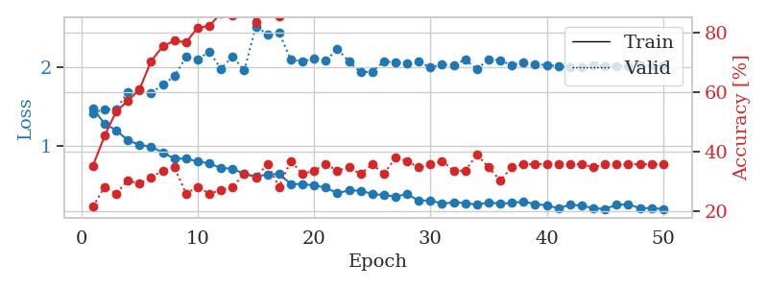
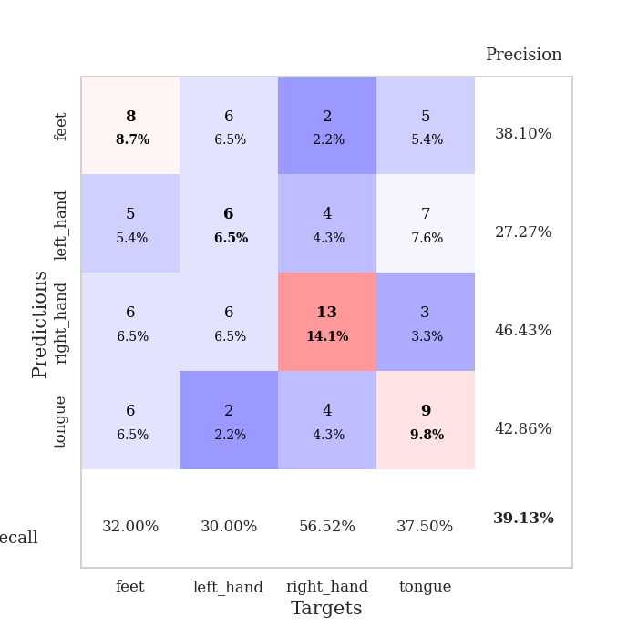
train_loss | valid_loss | train_accuracy | valid_accuracy | dur | train_misclass | valid_misclass
1.4766087221 | 1.4201944807 | 0.35326086957 | 0.21739130435 | 0.078242063522 | 35.326086957 | 21.739130435
1.280857462 | 1.4644180329 | 0.45380434783 | 0.28260869565 | 0.077337503433 | 45.380434783 | 28.260869565
1.201666876 | 1.4636955883 | 0.53532608696 | 0.26086956522 | 0.077178955078 | 53.532608696 | 26.086956522
1.0743481232 | 1.6817447154 | 0.57065217391 | 0.30434782609 | 0.077339887619 | 57.065217391 | 30.434782609
1.0174597165 | 1.7018590181 | 0.60869565217 | 0.29347826087 | 0.077972173691 | 60.869565217 | 29.347826087
0.99415393757 | 1.6700989734 | 0.70380434783 | 0.3152173913 | 0.077893257141 | 70.380434783 | 31.52173913
0.91994708258 | 1.7709401379 | 0.7527173913 | 0.33695652174 | 0.07809472084 | 75.27173913 | 33.695652174
0.84366021467 | 1.8813300807 | 0.77173913043 | 0.34782608696 | 0.077919483185 | 77.173913043 | 34.782608696
0.84433924374 | 2.1222963126 | 0.76630434783 | 0.26086956522 | 0.077681779861 | 76.630434783 | 26.086956522
0.81020121082 | 2.0919386252 | 0.8152173913 | 0.28260869565 | 0.077540874481 | 81.52173913 | 28.260869565
0.78237561169 | 2.1903797336 | 0.82065217391 | 0.26086956522 | 0.077985286713 | 82.065217391 | 26.086956522
0.72639070257 | 1.9746273756 | 0.86413043478 | 0.27173913043 | 0.077668428421 | 86.413043478 | 27.173913043
0.71645848777 | 2.1317875955 | 0.85597826087 | 0.28260869565 | 0.077852725983 | 85.597826087 | 28.260869565
0.65220589871 | 1.9518513835 | 0.9347826087 | 0.32608695652 | 0.078061580658 | 93.47826087 | 32.608695652
0.62234505363 | 2.50711525 | 0.83423913043 | 0.3152173913 | 0.077942371368 | 83.423913043 | 31.52173913
0.64241566477 | 2.4078583303 | 0.88858695652 | 0.35869565217 | 0.077942371368 | 88.858695652 | 35.869565217
0.65298456472 | 2.4264684034 | 0.85326086957 | 0.28260869565 | 0.078064918518 | 85.326086957 | 28.260869565
0.52421612325 | 2.092771442 | 0.94293478261 | 0.36956521739 | 0.077838897705 | 94.293478261 | 36.956521739
0.52442631644 | 2.0691167583 | 0.96467391304 | 0.32608695652 | 0.07805109024 | 96.467391304 | 32.608695652
0.50615029879 | 2.1002335704 | 0.9347826087 | 0.33695652174 | 0.077966451645 | 93.47826087 | 33.695652174
0.48134576367 | 2.0738241724 | 0.94836956522 | 0.35869565217 | 0.077542066574 | 94.836956522 | 35.869565217
0.40779477423 | 2.2223902319 | 0.94565217391 | 0.33695652174 | 0.08084321022 | 94.565217391 | 33.695652174
0.4456950614 | 2.0653085138 | 0.98097826087 | 0.34782608696 | 0.078466176987 | 98.097826087 | 34.782608696
0.44138025201 | 1.9294149306 | 0.97010869565 | 0.32608695652 | 0.078445672989 | 97.010869565 | 32.608695652
0.40033607768 | 1.9374462055 | 0.98641304348 | 0.35869565217 | 0.078502655029 | 98.641304348 | 35.869565217
0.38637063944 | 2.0660120871 | 0.98913043478 | 0.32608695652 | 0.078634500504 | 98.913043478 | 32.608695652
0.3670288279 | 2.0550460453 | 0.99184782609 | 0.38043478261 | 0.078898191452 | 99.184782609 | 38.043478261
0.39817917477 | 2.042594267 | 0.98913043478 | 0.36956521739 | 0.078685283661 | 98.913043478 | 36.956521739
0.31495226984 | 2.0617563776 | 0.9972826087 | 0.34782608696 | 0.078813314438 | 99.72826087 | 34.782608696
0.31960147587 | 1.9928205998 | 0.98913043478 | 0.35869565217 | 0.078649520874 | 98.913043478 | 35.869565217
0.27754396038 | 2.0267634755 | 0.98913043478 | 0.36956521739 | 0.078820466995 | 98.913043478 | 36.956521739
0.29557008977 | 2.0234801614 | 0.9972826087 | 0.33695652174 | 0.078476667404 | 99.72826087 | 33.695652174
0.2846824151 | 2.0887645846 | 0.9972826087 | 0.33695652174 | 0.078574895859 | 99.72826087 | 33.695652174
0.26508315037 | 1.9695852528 | 1 | 0.39130434783 | 0.078764677048 | 100 | 39.130434783
0.29436623078 | 2.0922867941 | 1 | 0.34782608696 | 0.078882694244 | 100 | 34.782608696
0.27698016815 | 2.0806685893 | 1 | 0.30434782609 | 0.078648090363 | 100 | 30.434782609
0.28749852093 | 2.0186683147 | 1 | 0.34782608696 | 0.078480958939 | 100 | 34.782608696
0.30323099637 | 2.0566514471 | 0.9972826087 | 0.35869565217 | 0.078612565994 | 99.72826087 | 35.869565217
0.27240726902 | 2.026288302 | 1 | 0.35869565217 | 0.078411817551 | 100 | 35.869565217
0.25553344384 | 2.0241807855 | 1 | 0.35869565217 | 0.078620433807 | 100 | 35.869565217
0.22023138469 | 2.0050403554 | 1 | 0.35869565217 | 0.078544378281 | 100 | 35.869565217
0.26393487369 | 1.9973778051 | 1 | 0.35869565217 | 0.078396558762 | 100 | 35.869565217
0.25333030781 | 1.9956313994 | 1 | 0.35869565217 | 0.078568220139 | 100 | 35.869565217
0.22100919517 | 2.01531489 | 1 | 0.34782608696 | 0.07849407196 | 100 | 34.782608696
0.2128777227 | 2.011327956 | 1 | 0.35869565217 | 0.078608989716 | 100 | 35.869565217
0.26180983885 | 2.011074004 | 1 | 0.35869565217 | 0.078577280045 | 100 | 35.869565217
0.26995012229 | 2.0113554156 | 1 | 0.35869565217 | 0.078680753708 | 100 | 35.869565217
0.22107810398 | 2.0122077776 | 1 | 0.35869565217 | 0.07851266861 | 100 | 35.869565217
0.22189852207 | 2.0140692514 | 1 | 0.35869565217 | 0.078663825989 | 100 | 35.869565217
0.21010694944 | 2.0153169787 | 1 | 0.35869565217 | 0.078681230545 | 100 | 35.869565217

Best Val accuracy is 0.391304347826087 and Best test accuracy is 0.3706896551724138

Sheet4
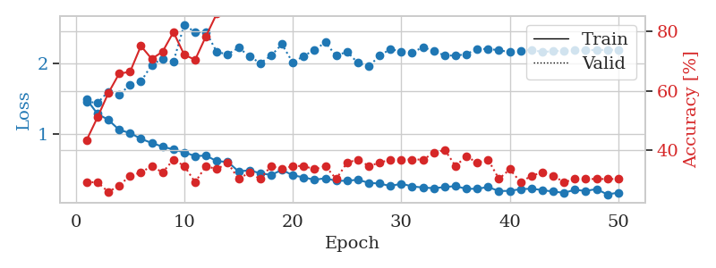
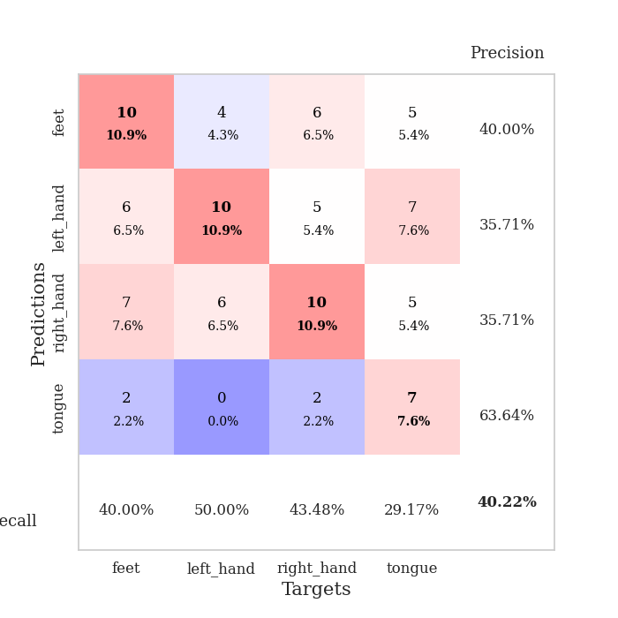
train_loss | valid_loss | train_accuracy | valid_accuracy | dur | train_misclass | valid_misclass
1.4867493433 | 1.4537943083 | 0.4347826087 | 0.29347826087 | 0.078778266907 | 43.47826087 | 29.347826087
1.2813852818 | 1.437975049 | 0.51086956522 | 0.29347826087 | 0.078005075455 | 51.086956522 | 29.347826087
1.1966052625 | 1.5973471818 | 0.59239130435 | 0.26086956522 | 0.077952623367 | 59.239130435 | 26.086956522
1.0544526707 | 1.5558026977 | 0.65760869565 | 0.28260869565 | 0.078050613403 | 65.760869565 | 28.260869565
1.0094533666 | 1.6912235384 | 0.66304347826 | 0.3152173913 | 0.078305721283 | 66.304347826 | 31.52173913
0.92803933569 | 1.7390350933 | 0.75 | 0.32608695652 | 0.078529596329 | 75 | 32.608695652
0.86796974877 | 1.9774280113 | 0.70652173913 | 0.34782608696 | 0.082255363464 | 70.652173913 | 34.782608696
0.81664469968 | 2.0642960901 | 0.73097826087 | 0.32608695652 | 0.078838825226 | 73.097826087 | 32.608695652
0.77584744796 | 2.0224220338 | 0.79619565217 | 0.36956521739 | 0.079262256622 | 79.619565217 | 36.956521739
0.73519440319 | 2.5481684208 | 0.72010869565 | 0.34782608696 | 0.078776836395 | 72.010869565 | 34.782608696
0.68270512508 | 2.4372514331 | 0.70380434783 | 0.29347826087 | 0.078883886337 | 70.380434783 | 29.347826087
0.68951300564 | 2.4445442842 | 0.78260869565 | 0.34782608696 | 0.078900814056 | 78.260869565 | 34.782608696
0.60956944331 | 2.1580299916 | 0.85869565217 | 0.33695652174 | 0.078827619553 | 85.869565217 | 33.695652174
0.60030621938 | 2.1275162075 | 0.90217391304 | 0.35869565217 | 0.078814268112 | 90.217391304 | 35.869565217
0.46533343714 | 2.2192321757 | 0.90489130435 | 0.30434782609 | 0.078762292862 | 90.489130435 | 30.434782609
0.48079618034 | 2.1017077695 | 0.90217391304 | 0.32608695652 | 0.078792572021 | 90.217391304 | 32.608695652
0.43914657507 | 1.9996290362 | 0.96467391304 | 0.30434782609 | 0.078750610352 | 96.467391304 | 30.434782609
0.41416709125 | 2.1069573734 | 0.89402173913 | 0.34782608696 | 0.078825473785 | 89.402173913 | 34.782608696
0.48726173847 | 2.2699879149 | 0.8722826087 | 0.33695652174 | 0.078581809998 | 87.22826087 | 33.695652174
0.40995737975 | 2.0071970069 | 0.95652173913 | 0.34782608696 | 0.078661441803 | 95.652173913 | 34.782608696
0.38045007833 | 2.1020213884 | 0.96739130435 | 0.34782608696 | 0.078789949417 | 96.739130435 | 34.782608696
0.34605727248 | 2.1895951603 | 0.91304347826 | 0.33695652174 | 0.078756093979 | 91.304347826 | 33.695652174
0.36803385162 | 2.2949147587 | 0.95923913043 | 0.34782608696 | 0.078643798828 | 95.923913043 | 34.782608696
0.33094968744 | 2.1051157609 | 0.99456521739 | 0.30434782609 | 0.078635454178 | 99.456521739 | 30.434782609
0.33270443782 | 2.1637475853 | 0.97282608696 | 0.35869565217 | 0.078785419464 | 97.282608696 | 35.869565217
0.34649483341 | 2.0033907113 | 0.98913043478 | 0.36956521739 | 0.078858852386 | 98.913043478 | 36.956521739
0.30289233427 | 1.9539673484 | 0.99184782609 | 0.34782608696 | 0.079013824463 | 99.184782609 | 34.782608696
0.29266363868 | 2.1071560901 | 0.99184782609 | 0.35869565217 | 0.078769445419 | 99.184782609 | 35.869565217
0.25718137978 | 2.1997291264 | 0.99456521739 | 0.36956521739 | 0.078504323959 | 99.456521739 | 36.956521739
0.29091597251 | 2.1665020559 | 0.98913043478 | 0.36956521739 | 0.078413486481 | 98.913043478 | 36.956521739
0.25206451766 | 2.1484655349 | 0.99456521739 | 0.36956521739 | 0.078498601913 | 99.456521739 | 36.956521739
0.23608637245 | 2.2291836842 | 1 | 0.36956521739 | 0.078898429871 | 100 | 36.956521739
0.22697668393 | 2.1688537857 | 0.9972826087 | 0.39130434783 | 0.078748703003 | 99.72826087 | 39.130434783
0.24218256091 | 2.1113087872 | 1 | 0.40217391304 | 0.078966617584 | 100 | 40.217391304
0.25696150537 | 2.1074687709 | 0.99184782609 | 0.34782608696 | 0.079057455063 | 99.184782609 | 34.782608696
0.21699093347 | 2.1289037984 | 1 | 0.38043478261 | 0.078862667084 | 100 | 38.043478261
0.21917158754 | 2.2019799896 | 0.9972826087 | 0.35869565217 | 0.07865858078 | 99.72826087 | 35.869565217
0.24270106528 | 2.2016098085 | 1 | 0.36956521739 | 0.078687906265 | 100 | 36.956521739
0.18671760125 | 2.1851538161 | 1 | 0.30434782609 | 0.078994512558 | 100 | 30.434782609
0.18887270695 | 2.1570432497 | 1 | 0.33695652174 | 0.078843593597 | 100 | 33.695652174
0.21379867212 | 2.1782703141 | 1 | 0.29347826087 | 0.078901529312 | 100 | 29.347826087
0.21938060386 | 2.1910258376 | 1 | 0.3152173913 | 0.078984737396 | 100 | 31.52173913
0.2004744255 | 2.1584811625 | 1 | 0.32608695652 | 0.078736543655 | 100 | 32.608695652
0.17808423159 | 2.1710778734 | 1 | 0.3152173913 | 0.078456401825 | 100 | 31.52173913
0.16195028988 | 2.177209455 | 1 | 0.29347826087 | 0.078370332718 | 100 | 29.347826087
0.20362526081 | 2.1811707227 | 1 | 0.30434782609 | 0.078785896301 | 100 | 30.434782609
0.18793288262 | 2.1849840309 | 1 | 0.30434782609 | 0.078842878342 | 100 | 30.434782609
0.21485648952 | 2.1869611947 | 1 | 0.30434782609 | 0.07870388031 | 100 | 30.434782609
0.13701138791 | 2.1892654274 | 1 | 0.30434782609 | 0.078670978546 | 100 | 30.434782609
0.16486480281 | 2.1908064718 | 1 | 0.30434782609 | 0.078704595566 | 100 | 30.434782609

Best Val accuracy is 0.40217391304347827 and Best test accuracy is 0.41379310344827586

Sheet5
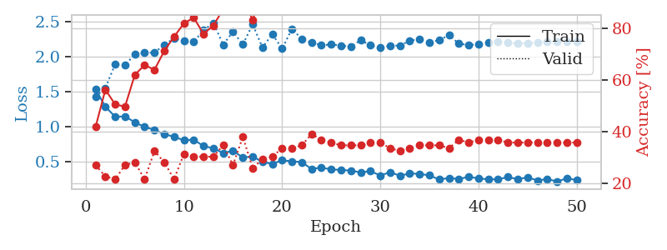
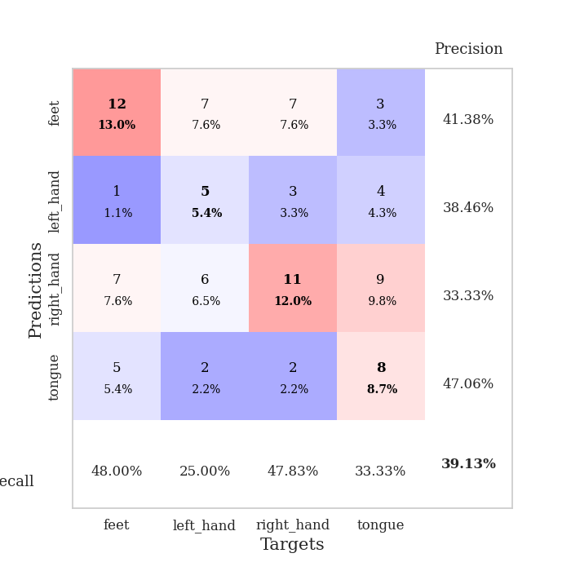
train_loss | valid_loss | train_accuracy | valid_accuracy | dur | train_misclass | valid_misclass
1.5276550832 | 1.4238031273 | 0.41847826087 | 0.27173913043 | 0.079297780991 | 41.847826087 | 27.173913043
1.2822086034 | 1.5490478899 | 0.5625 | 0.22826086957 | 0.077910661697 | 56.25 | 22.826086957
1.1381834719 | 1.8898902147 | 0.50543478261 | 0.21739130435 | 0.077590942383 | 50.543478261 | 21.739130435
1.1432130596 | 1.8776380912 | 0.4972826087 | 0.27173913043 | 0.078109502792 | 49.72826087 | 27.173913043
1.0588672835 | 2.0261916285 | 0.61956521739 | 0.28260869565 | 0.078689813614 | 61.956521739 | 28.260869565
0.9925918916 | 2.0521990942 | 0.65760869565 | 0.21739130435 | 0.078765630722 | 65.760869565 | 21.739130435
0.95113977142 | 2.0531725417 | 0.63858695652 | 0.32608695652 | 0.078577280045 | 63.858695652 | 32.608695652
0.88983157666 | 2.166372776 | 0.71195652174 | 0.28260869565 | 0.078507900238 | 71.195652174 | 28.260869565
0.85258920685 | 2.2579140767 | 0.76630434783 | 0.21739130435 | 0.078412532806 | 76.630434783 | 21.739130435
0.80148650511 | 2.2218474668 | 0.81793478261 | 0.3152173913 | 0.078438282013 | 81.793478261 | 31.52173913
0.81051182747 | 2.206239861 | 0.83967391304 | 0.30434782609 | 0.078538894653 | 83.967391304 | 30.434782609
0.71851661413 | 2.3747206149 | 0.77717391304 | 0.30434782609 | 0.078422784805 | 77.717391304 | 30.434782609
0.68878735148 | 2.4775030354 | 0.8097826087 | 0.30434782609 | 0.078524589539 | 80.97826087 | 30.434782609
0.61850081579 | 2.1665665378 | 0.8722826087 | 0.34782608696 | 0.078544855118 | 87.22826087 | 34.782608696
0.65373527226 | 2.3527192758 | 0.88586956522 | 0.27173913043 | 0.078678369522 | 88.586956522 | 27.173913043
0.55392960232 | 2.1694788052 | 0.91304347826 | 0.38043478261 | 0.078401088715 | 91.304347826 | 38.043478261
0.57270704404 | 2.4563669951 | 0.83152173913 | 0.26086956522 | 0.078714370728 | 83.152173913 | 26.086956522
0.49199008294 | 2.1250580342 | 0.9375 | 0.29347826087 | 0.078543663025 | 93.75 | 29.347826087
0.46520592855 | 2.3182879116 | 0.9375 | 0.30434782609 | 0.078559875488 | 93.75 | 30.434782609
0.51691285748 | 2.1090559493 | 0.98641304348 | 0.33695652174 | 0.078298091888 | 98.641304348 | 33.695652174
0.50164071373 | 2.3907137021 | 0.97010869565 | 0.33695652174 | 0.078633785248 | 97.010869565 | 33.695652174
0.49042810241 | 2.2513338379 | 0.95923913043 | 0.34782608696 | 0.078740119934 | 95.923913043 | 34.782608696
0.39144502839 | 2.1954224887 | 0.96739130435 | 0.39130434783 | 0.078496694565 | 96.739130435 | 39.130434783
0.41301145113 | 2.1593451966 | 0.98369565217 | 0.36956521739 | 0.078585386276 | 98.369565217 | 36.956521739
0.38473988227 | 2.1685437068 | 0.99184782609 | 0.35869565217 | 0.078845500946 | 99.184782609 | 35.869565217
0.3801977547 | 2.1557365293 | 0.98097826087 | 0.34782608696 | 0.078379869461 | 98.097826087 | 34.782608696
0.36768131833 | 2.1360385262 | 0.98641304348 | 0.34782608696 | 0.078389406204 | 98.641304348 | 34.782608696
0.3440804177 | 2.2322727286 | 0.98913043478 | 0.34782608696 | 0.078447580338 | 98.913043478 | 34.782608696
0.3620072898 | 2.1581419447 | 0.98641304348 | 0.35869565217 | 0.078706264496 | 98.641304348 | 35.869565217
0.29878156956 | 2.1219171389 | 0.98913043478 | 0.35869565217 | 0.078474998474 | 98.913043478 | 35.869565217
0.34706202473 | 2.1537442777 | 0.98369565217 | 0.33695652174 | 0.078476905823 | 98.369565217 | 33.695652174
0.29509778386 | 2.1538669545 | 0.98913043478 | 0.32608695652 | 0.078314304352 | 98.913043478 | 32.608695652
0.32925558609 | 2.224782669 | 0.98913043478 | 0.33695652174 | 0.078408002853 | 98.913043478 | 33.695652174
0.32190133243 | 2.2424663409 | 0.9972826087 | 0.34782608696 | 0.078649044037 | 99.72826087 | 34.782608696
0.30111723296 | 2.1995958453 | 0.99184782609 | 0.34782608696 | 0.078529119492 | 99.184782609 | 34.782608696
0.2423932818 | 2.2318079523 | 0.98913043478 | 0.34782608696 | 0.079648733139 | 98.913043478 | 34.782608696
0.26410730928 | 2.3031079821 | 0.9972826087 | 0.33695652174 | 0.078509569168 | 99.72826087 | 33.695652174
0.24858918948 | 2.1805243751 | 0.9972826087 | 0.36956521739 | 0.078489542007 | 99.72826087 | 36.956521739
0.28154392962 | 2.1637933928 | 1 | 0.35869565217 | 0.078576564789 | 100 | 35.869565217
0.25733839526 | 2.1696472583 | 1 | 0.36956521739 | 0.078604221344 | 100 | 36.956521739
0.24527089946 | 2.1956342355 | 1 | 0.36956521739 | 0.078619241714 | 100 | 36.956521739
0.24414468945 | 2.2114300054 | 1 | 0.36956521739 | 0.078505277634 | 100 | 36.956521739
0.27739049753 | 2.1952207348 | 1 | 0.35869565217 | 0.080947875977 | 100 | 35.869565217
0.24573565858 | 2.1865186121 | 1 | 0.35869565217 | 0.078168869019 | 100 | 35.869565217
0.27446317673 | 2.1899409761 | 1 | 0.35869565217 | 0.078126907349 | 100 | 35.869565217
0.22785889843 | 2.1955791971 | 1 | 0.35869565217 | 0.078234910965 | 100 | 35.869565217
0.24842492815 | 2.2072328225 | 1 | 0.35869565217 | 0.078579902649 | 100 | 35.869565217
0.21421194109 | 2.2116042013 | 1 | 0.35869565217 | 0.07876086235 | 100 | 35.869565217
0.25735812116 | 2.2133656377 | 1 | 0.35869565217 | 0.078608989716 | 100 | 35.869565217
0.2352386428 | 2.2147811807 | 1 | 0.35869565217 | 0.078464508057 | 100 | 35.869565217

Best Val accuracy is 0.391304347826087 and Best test accuracy is 0.35344827586206895

Sheet6
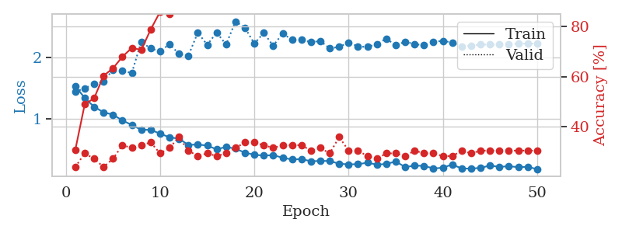
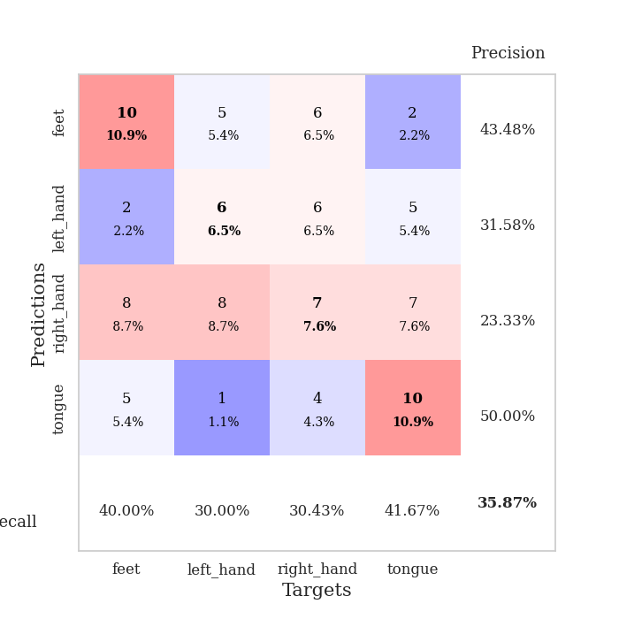
train_loss | valid_loss | train_accuracy | valid_accuracy | dur | train_misclass | valid_misclass
1.5347543851 | 1.4396867545 | 0.30706521739 | 0.23913043478 | 0.079120635986 | 30.706521739 | 23.913043478
1.3408716243 | 1.4998940229 | 0.48913043478 | 0.29347826087 | 0.078088521957 | 48.913043478 | 29.347826087
1.1965568999 | 1.5643870364 | 0.51358695652 | 0.27173913043 | 0.077965497971 | 51.358695652 | 27.173913043
1.1060242161 | 1.6119579077 | 0.60326086957 | 0.23913043478 | 0.078444242477 | 60.326086957 | 23.913043478
1.0698649754 | 1.7993855684 | 0.63315217391 | 0.27173913043 | 0.078629732132 | 63.315217391 | 27.173913043
0.97308333024 | 1.7785793025 | 0.67934782609 | 0.32608695652 | 0.078640222549 | 67.934782609 | 32.608695652
0.90209720446 | 1.7491353284 | 0.71467391304 | 0.3152173913 | 0.078754425049 | 71.467391304 | 31.52173913
0.82131896589 | 2.2556837331 | 0.70652173913 | 0.32608695652 | 0.07866191864 | 70.652173913 | 32.608695652
0.82268449794 | 2.1453511248 | 0.78804347826 | 0.33695652174 | 0.078397512436 | 78.804347826 | 33.695652174
0.75857483952 | 2.1007367528 | 0.85869565217 | 0.29347826087 | 0.078725099564 | 85.869565217 | 29.347826087
0.70038541115 | 2.216570367 | 0.85054347826 | 0.3152173913 | 0.078583955765 | 85.054347826 | 31.52173913
0.6772675877 | 2.0586132692 | 0.89673913043 | 0.35869565217 | 0.078574419022 | 89.673913043 | 35.869565217
0.57614731529 | 2.028302768 | 0.8722826087 | 0.30434782609 | 0.078801870346 | 87.22826087 | 30.434782609
0.58261334637 | 2.4067887327 | 0.88858695652 | 0.28260869565 | 0.078484773636 | 88.858695652 | 28.260869565
0.56451480674 | 2.2052331852 | 0.94293478261 | 0.29347826087 | 0.07861328125 | 94.293478261 | 29.347826087
0.50410458964 | 2.406934054 | 0.92663043478 | 0.28260869565 | 0.07864522934 | 92.663043478 | 28.260869565
0.54356292149 | 2.2107806154 | 0.90489130435 | 0.29347826087 | 0.078546285629 | 90.489130435 | 29.347826087
0.51366815554 | 2.5878884378 | 0.97282608696 | 0.3152173913 | 0.078610181808 | 97.282608696 | 31.52173913
0.44981209415 | 2.4830876485 | 0.97826086957 | 0.33695652174 | 0.078808307648 | 97.826086957 | 33.695652174
0.41601586504 | 2.2251429713 | 0.97826086957 | 0.33695652174 | 0.078765630722 | 97.826086957 | 33.695652174
0.40108098932 | 2.4009222932 | 0.97010869565 | 0.32608695652 | 0.078438043594 | 97.010869565 | 32.608695652
0.41034335092 | 2.1898964229 | 0.97554347826 | 0.3152173913 | 0.07855463028 | 97.554347826 | 31.52173913
0.36682909209 | 2.3919517113 | 0.97554347826 | 0.32608695652 | 0.078640460968 | 97.554347826 | 32.608695652
0.33816787277 | 2.2869788149 | 0.98369565217 | 0.32608695652 | 0.078561306 | 98.369565217 | 32.608695652
0.3451125097 | 2.2847520735 | 0.98097826087 | 0.32608695652 | 0.078499555588 | 98.097826087 | 32.608695652
0.30978954486 | 2.249913708 | 0.99184782609 | 0.30434782609 | 0.078510522842 | 99.184782609 | 30.434782609
0.31518424723 | 2.267599593 | 0.99184782609 | 0.3152173913 | 0.078553438187 | 99.184782609 | 31.52173913
0.31415121873 | 2.1477309569 | 0.99456521739 | 0.29347826087 | 0.078670024872 | 99.456521739 | 29.347826087
0.26858076907 | 2.1713434769 | 0.99456521739 | 0.35869565217 | 0.078542232513 | 99.456521739 | 35.869565217
0.25982878098 | 2.2453458154 | 1 | 0.30434782609 | 0.082038402557 | 100 | 30.434782609
0.26122173958 | 2.1790382085 | 1 | 0.30434782609 | 0.078450202942 | 100 | 30.434782609
0.28663377626 | 2.1707123052 | 0.9972826087 | 0.28260869565 | 0.078486919403 | 99.72826087 | 28.260869565
0.25490735504 | 2.2200679313 | 0.99456521739 | 0.27173913043 | 0.078566551208 | 99.456521739 | 27.173913043
0.26551260815 | 2.3054162886 | 1 | 0.29347826087 | 0.077787637711 | 100 | 29.347826087
0.3057009338 | 2.1996866724 | 0.9972826087 | 0.29347826087 | 0.077945232391 | 99.72826087 | 29.347826087
0.21566745056 | 2.2561447309 | 1 | 0.28260869565 | 0.078112602234 | 100 | 28.260869565
0.2373367237 | 2.2181900118 | 1 | 0.30434782609 | 0.078220129013 | 100 | 30.434782609
0.23523776039 | 2.197327733 | 1 | 0.29347826087 | 0.078501701355 | 100 | 29.347826087
0.19215420018 | 2.2530623519 | 1 | 0.29347826087 | 0.078615665436 | 100 | 29.347826087
0.2038712589 | 2.2713350835 | 1 | 0.28260869565 | 0.078744649887 | 100 | 28.260869565
0.25797417598 | 2.243100581 | 1 | 0.28260869565 | 0.078631162643 | 100 | 28.260869565
0.19016890325 | 2.1758044129 | 1 | 0.30434782609 | 0.078686952591 | 100 | 30.434782609
0.19150864948 | 2.1939184769 | 1 | 0.29347826087 | 0.078545808792 | 100 | 29.347826087
0.20061369435 | 2.2108513117 | 1 | 0.30434782609 | 0.078510284424 | 100 | 30.434782609
0.24091901727 | 2.2094433567 | 1 | 0.30434782609 | 0.078647613525 | 100 | 30.434782609
0.21738568645 | 2.2117589246 | 1 | 0.30434782609 | 0.078436374664 | 100 | 30.434782609
0.2297073188 | 2.2192457085 | 1 | 0.30434782609 | 0.078345060349 | 100 | 30.434782609
0.21258973881 | 2.2243263359 | 1 | 0.30434782609 | 0.078706741333 | 100 | 30.434782609
0.21885317467 | 2.2257209913 | 1 | 0.30434782609 | 0.078501701355 | 100 | 30.434782609
0.18162173616 | 2.2269760992 | 1 | 0.30434782609 | 0.078526735306 | 100 | 30.434782609

Best Val accuracy is 0.358695652173913 and Best test accuracy is 0.3793103448275862

Sheet7
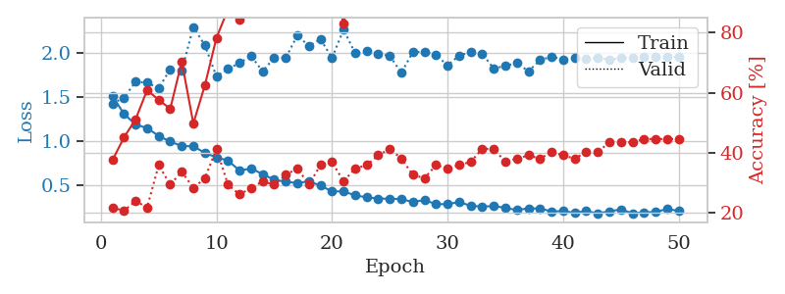
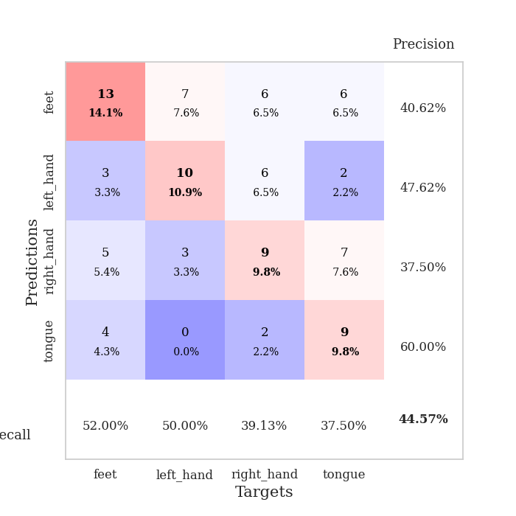
train_loss | valid_loss | train_accuracy | valid_accuracy | dur | train_misclass | valid_misclass
1.5101264767 | 1.4271361102 | 0.375 | 0.21739130435 | 0.079359054565 | 37.5 | 21.739130435
1.3092201637 | 1.4930821346 | 0.45108695652 | 0.20652173913 | 0.077894687653 | 45.108695652 | 20.652173913
1.1883499519 | 1.6733543821 | 0.51086956522 | 0.23913043478 | 0.077964305878 | 51.086956522 | 23.913043478
1.1483592261 | 1.6633372721 | 0.60869565217 | 0.21739130435 | 0.078482866287 | 60.869565217 | 21.739130435
1.0589347223 | 1.6002938903 | 0.57608695652 | 0.35869565217 | 0.07784986496 | 57.608695652 | 35.869565217
0.99473744372 | 1.8157742956 | 0.54619565217 | 0.29347826087 | 0.078213691711 | 54.619565217 | 29.347826087
0.94434489893 | 1.7981915267 | 0.70380434783 | 0.33695652174 | 0.078046321869 | 70.380434783 | 33.695652174
0.94097023425 | 2.2962415944 | 0.4972826087 | 0.28260869565 | 0.079004764557 | 49.72826087 | 28.260869565
0.86617764442 | 2.0876303237 | 0.625 | 0.3152173913 | 0.078838586807 | 62.5 | 31.52173913
0.81525835913 | 1.7335446036 | 0.78260869565 | 0.41304347826 | 0.078636169434 | 78.260869565 | 41.304347826
0.77911825543 | 1.8198947492 | 0.8777173913 | 0.29347826087 | 0.078715324402 | 87.77173913 | 29.347826087
0.66533520559 | 1.8867647078 | 0.84239130435 | 0.26086956522 | 0.078615903854 | 84.239130435 | 26.086956522
0.68910603031 | 1.9674927463 | 0.8722826087 | 0.28260869565 | 0.078698396683 | 87.22826087 | 28.260869565
0.62446423717 | 1.7900749134 | 0.9375 | 0.30434782609 | 0.0784740448 | 93.75 | 30.434782609
0.56099424544 | 1.9491526666 | 0.94565217391 | 0.29347826087 | 0.079206466675 | 94.565217391 | 29.347826087
0.5386012365 | 1.9462680039 | 0.95108695652 | 0.32608695652 | 0.078721046448 | 95.108695652 | 32.608695652
0.5233490493 | 2.2000799801 | 0.86684782609 | 0.34782608696 | 0.078773260117 | 86.684782609 | 34.782608696
0.54362257538 | 2.080244422 | 0.90489130435 | 0.29347826087 | 0.078689813614 | 90.489130435 | 29.347826087
0.49434806147 | 2.1571758519 | 0.89402173913 | 0.35869565217 | 0.078747987747 | 89.402173913 | 35.869565217
0.42963421993 | 1.9443616038 | 0.97554347826 | 0.36956521739 | 0.078634738922 | 97.554347826 | 36.956521739
0.42817938717 | 2.2655822712 | 0.83152173913 | 0.30434782609 | 0.078377962112 | 83.152173913 | 30.434782609
0.38416656981 | 1.9989842125 | 0.98641304348 | 0.34782608696 | 0.078370571136 | 98.641304348 | 34.782608696
0.36123840964 | 2.0255395174 | 0.97282608696 | 0.35869565217 | 0.078391313553 | 97.282608696 | 35.869565217
0.34809386503 | 1.9917538684 | 0.98913043478 | 0.39130434783 | 0.0787525177 | 98.913043478 | 39.130434783
0.34501465831 | 1.9673249411 | 0.9972826087 | 0.41304347826 | 0.078716278076 | 99.72826087 | 41.304347826
0.34243676973 | 1.7749695622 | 0.97282608696 | 0.38043478261 | 0.078898668289 | 97.282608696 | 38.043478261
0.30723665428 | 2.0127858286 | 1 | 0.32608695652 | 0.07870554924 | 100 | 32.608695652
0.33173273601 | 2.0130747246 | 0.99456521739 | 0.3152173913 | 0.081381320953 | 99.456521739 | 31.52173913
0.28293740393 | 1.9794893679 | 1 | 0.35869565217 | 0.078871250153 | 100 | 35.869565217
0.28503016998 | 1.8590409497 | 1 | 0.34782608696 | 0.078835487366 | 100 | 34.782608696
0.30757338262 | 1.9724260154 | 0.99456521739 | 0.35869565217 | 0.078642368317 | 99.456521739 | 35.869565217
0.26601551732 | 2.0106991892 | 1 | 0.36956521739 | 0.078404188156 | 100 | 36.956521739
0.25603935932 | 1.9914726641 | 0.99184782609 | 0.41304347826 | 0.079146146774 | 99.184782609 | 41.304347826
0.26331709746 | 1.8243624387 | 1 | 0.41304347826 | 0.079079866409 | 100 | 41.304347826
0.241524582 | 1.8541687727 | 1 | 0.36956521739 | 0.07922744751 | 100 | 36.956521739
0.21653559739 | 1.8876397351 | 1 | 0.38043478261 | 0.082080602646 | 100 | 38.043478261
0.23681238488 | 1.792877757 | 1 | 0.39130434783 | 0.079014778137 | 100 | 39.130434783
0.23311954445 | 1.9191618847 | 1 | 0.38043478261 | 0.078964471817 | 100 | 38.043478261
0.20257185983 | 1.9597174758 | 1 | 0.40217391304 | 0.078976392746 | 100 | 40.217391304
0.20430390666 | 1.9266883135 | 1 | 0.39130434783 | 0.078907966614 | 100 | 39.130434783
0.18658063561 | 1.9486559578 | 1 | 0.38043478261 | 0.079238653183 | 100 | 38.043478261
0.20517594837 | 1.932259399 | 1 | 0.40217391304 | 0.079385995865 | 100 | 40.217391304
0.17913749263 | 1.9495993023 | 1 | 0.40217391304 | 0.079063415527 | 100 | 40.217391304
0.20305824183 | 1.9245175952 | 1 | 0.4347826087 | 0.07892370224 | 100 | 43.47826087
0.22356879549 | 1.9435795131 | 1 | 0.4347826087 | 0.078869819641 | 100 | 43.47826087
0.18045401832 | 1.9506111197 | 1 | 0.4347826087 | 0.07870221138 | 100 | 43.47826087
0.19186254267 | 1.9514759727 | 1 | 0.44565217391 | 0.079163074493 | 100 | 44.565217391
0.19457252534 | 1.9530406361 | 1 | 0.44565217391 | 0.079212665558 | 100 | 44.565217391
0.22947711579 | 1.9547893068 | 1 | 0.44565217391 | 0.078776359558 | 100 | 44.565217391
0.20692053632 | 1.957460108 | 1 | 0.44565217391 | 0.07909154892 | 100 | 44.565217391

Best Val accuracy is 0.44565217391304346 and Best test accuracy is 0.3793103448275862

Sheet8
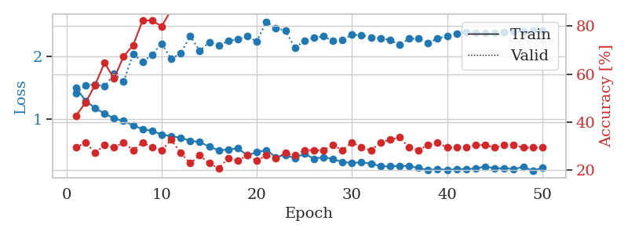
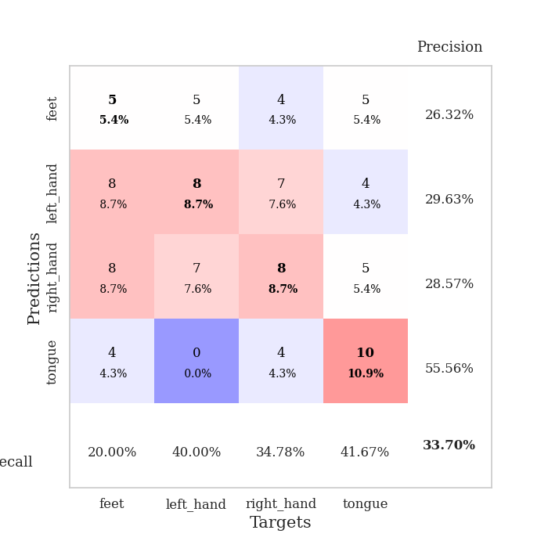
train_loss | valid_loss | train_accuracy | valid_accuracy | dur | train_misclass | valid_misclass
1.5052781572 | 1.4165994862 | 0.42663043478 | 0.29347826087 | 0.079464197159 | 42.663043478 | 29.347826087
1.2955345537 | 1.5393399518 | 0.48097826087 | 0.3152173913 | 0.078428506851 | 48.097826087 | 31.52173913
1.1796392695 | 1.5575767756 | 0.55434782609 | 0.27173913043 | 0.078278779984 | 55.434782609 | 27.173913043
1.0920874969 | 1.5229344783 | 0.64673913043 | 0.30434782609 | 0.078100681305 | 64.673913043 | 30.434782609
1.0145822193 | 1.7292453258 | 0.58152173913 | 0.29347826087 | 0.078608751297 | 58.152173913 | 29.347826087
0.97551321465 | 1.5970846518 | 0.67391304348 | 0.3152173913 | 0.078598976135 | 67.391304348 | 31.52173913
0.9046328612 | 2.0436849698 | 0.72010869565 | 0.28260869565 | 0.078324079514 | 72.010869565 | 28.260869565
0.84443926811 | 1.9109515522 | 0.82336956522 | 0.3152173913 | 0.078688144684 | 82.336956522 | 31.52173913
0.81831302332 | 2.031174525 | 0.82336956522 | 0.29347826087 | 0.079167842865 | 82.336956522 | 29.347826087
0.75834133314 | 2.205283901 | 0.79891304348 | 0.28260869565 | 0.078901290894 | 79.891304348 | 28.260869565
0.73433356829 | 1.9663424596 | 0.86684782609 | 0.32608695652 | 0.078931808472 | 86.684782609 | 32.608695652
0.70824703315 | 2.0470124017 | 0.88315217391 | 0.27173913043 | 0.079274177551 | 88.315217391 | 27.173913043
0.6600546189 | 2.32820373 | 0.89130434783 | 0.22826086957 | 0.079142332077 | 89.130434783 | 22.826086957
0.64064693969 | 2.086421469 | 0.92663043478 | 0.26086956522 | 0.079207897186 | 92.663043478 | 26.086956522
0.5673722249 | 2.2311986322 | 0.92934782609 | 0.22826086957 | 0.078919410706 | 92.934782609 | 22.826086957
0.50804095877 | 2.1739455513 | 0.94836956522 | 0.20652173913 | 0.07891702652 | 94.836956522 | 20.652173913
0.51939117131 | 2.2489902351 | 0.95380434783 | 0.25 | 0.078964710236 | 95.380434783 | 25
0.54003218076 | 2.2737261005 | 0.95380434783 | 0.23913043478 | 0.078903198242 | 95.380434783 | 23.913043478
0.43009610539 | 2.3196866927 | 0.96195652174 | 0.26086956522 | 0.079295158386 | 96.195652174 | 26.086956522
0.47703831481 | 2.2399394512 | 0.97282608696 | 0.23913043478 | 0.079211950302 | 97.282608696 | 23.913043478
0.51191796038 | 2.5560204672 | 0.97010869565 | 0.26086956522 | 0.079191684723 | 97.010869565 | 26.086956522
0.39979705798 | 2.44614484 | 0.99184782609 | 0.25 | 0.079325437546 | 99.184782609 | 25
0.43427573144 | 2.4182681208 | 0.98913043478 | 0.27173913043 | 0.078808069229 | 98.913043478 | 27.173913043
0.38267993279 | 2.136882274 | 0.98097826087 | 0.26086956522 | 0.079018354416 | 98.097826087 | 26.086956522
0.4544133625 | 2.2451760562 | 0.98641304348 | 0.28260869565 | 0.078727960587 | 98.641304348 | 28.260869565
0.37543505171 | 2.2993480537 | 0.99456521739 | 0.28260869565 | 0.079143285751 | 99.456521739 | 28.260869565
0.39944786222 | 2.3200126835 | 0.99456521739 | 0.28260869565 | 0.079032182693 | 99.456521739 | 28.260869565
0.37120296774 | 2.2482532522 | 0.99456521739 | 0.30434782609 | 0.07908821106 | 99.456521739 | 30.434782609
0.3205559325 | 2.2627550934 | 0.9972826087 | 0.28260869565 | 0.079146146774 | 99.72826087 | 28.260869565
0.3093264239 | 2.3468644308 | 0.99184782609 | 0.3152173913 | 0.079031944275 | 99.184782609 | 31.52173913
0.31525167855 | 2.3392605885 | 0.99184782609 | 0.29347826087 | 0.078911781311 | 99.184782609 | 29.347826087
0.29981351158 | 2.3059961588 | 1 | 0.28260869565 | 0.07881975174 | 100 | 28.260869565
0.2540144402 | 2.285025068 | 1 | 0.3152173913 | 0.078647613525 | 100 | 31.52173913
0.25278541575 | 2.2650281139 | 0.99456521739 | 0.32608695652 | 0.078812360764 | 99.456521739 | 32.608695652
0.26228986033 | 2.1846328093 | 0.99184782609 | 0.33695652174 | 0.079130411148 | 99.184782609 | 33.695652174
0.25701615765 | 2.2846007865 | 1 | 0.29347826087 | 0.079529047012 | 100 | 29.347826087
0.22858750172 | 2.2837021144 | 0.9972826087 | 0.28260869565 | 0.07904791832 | 99.72826087 | 28.260869565
0.19159052748 | 2.2159962447 | 0.9972826087 | 0.30434782609 | 0.078988790512 | 99.72826087 | 30.434782609
0.21137543185 | 2.2865749235 | 1 | 0.3152173913 | 0.078868627548 | 100 | 31.52173913
0.19619371256 | 2.3285399002 | 1 | 0.29347826087 | 0.07887506485 | 100 | 29.347826087
0.20842500161 | 2.3673817904 | 1 | 0.29347826087 | 0.078397274017 | 100 | 29.347826087
0.21039525274 | 2.3899477046 | 1 | 0.29347826087 | 0.079184532166 | 100 | 29.347826087
0.21785392547 | 2.3722467319 | 1 | 0.30434782609 | 0.079251527786 | 100 | 30.434782609
0.2511164627 | 2.3747045683 | 1 | 0.30434782609 | 0.079252243042 | 100 | 30.434782609
0.22047749178 | 2.3797015211 | 1 | 0.29347826087 | 0.079101324081 | 100 | 29.347826087
0.22431883831 | 2.3882549224 | 1 | 0.30434782609 | 0.079026460648 | 100 | 30.434782609
0.21041293604 | 2.3978007254 | 1 | 0.30434782609 | 0.078674077988 | 100 | 30.434782609
0.24269982606 | 2.4059566622 | 1 | 0.29347826087 | 0.078898906708 | 100 | 29.347826087
0.18593367902 | 2.4121140501 | 1 | 0.29347826087 | 0.079025506973 | 100 | 29.347826087
0.22968053235 | 2.4163150891 | 1 | 0.29347826087 | 0.07908987999 | 100 | 29.347826087

Best Val accuracy is 0.33695652173913043 and Best test accuracy is 0.31896551724137934

Sheet9
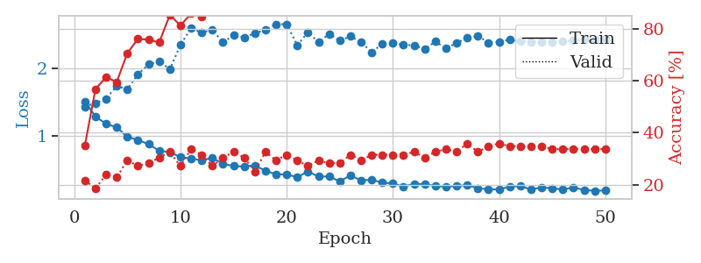
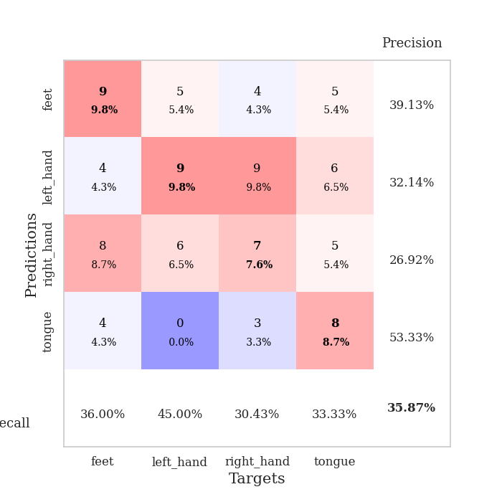
train_loss | valid_loss | train_accuracy | valid_accuracy | dur | train_misclass | valid_misclass
1.5180891597 | 1.4392890878 | 0.35054347826 | 0.21739130435 | 0.082037448883 | 35.054347826 | 21.739130435
1.2920613859 | 1.4913321371 | 0.56793478261 | 0.1847826087 | 0.080593824387 | 56.793478261 | 18.47826087
1.1839957574 | 1.5569623035 | 0.61413043478 | 0.23913043478 | 0.081287145615 | 61.413043478 | 23.913043478
1.1325250242 | 1.7435624288 | 0.59510869565 | 0.22826086957 | 0.079467773438 | 59.510869565 | 22.826086957
0.99117872249 | 1.6961713045 | 0.70652173913 | 0.29347826087 | 0.078881978989 | 70.652173913 | 29.347826087
0.94531557612 | 1.9180267479 | 0.76086956522 | 0.27173913043 | 0.079018831253 | 76.086956522 | 27.173913043
0.88323883129 | 2.0652579225 | 0.75815217391 | 0.28260869565 | 0.078793525696 | 75.815217391 | 28.260869565
0.78473896047 | 2.1105673002 | 0.7472826087 | 0.30434782609 | 0.078780651093 | 74.72826087 | 30.434782609
0.76449481042 | 1.9929127382 | 0.85326086957 | 0.32608695652 | 0.078568696976 | 85.326086957 | 32.608695652
0.69165925228 | 2.351898494 | 0.8125 | 0.27173913043 | 0.078471183777 | 81.25 | 27.173913043
0.66896979964 | 2.5989622344 | 0.85869565217 | 0.33695652174 | 0.078497648239 | 85.869565217 | 33.695652174
0.64397914384 | 2.5329533142 | 0.84782608696 | 0.3152173913 | 0.080550193787 | 84.782608696 | 31.52173913
0.67995741316 | 2.5769687736 | 0.88043478261 | 0.27173913043 | 0.078443527222 | 88.043478261 | 27.173913043
0.59299271133 | 2.3892476559 | 0.91032608696 | 0.30434782609 | 0.08089017868 | 91.032608696 | 30.434782609
0.55956538734 | 2.4968016148 | 0.91847826087 | 0.32608695652 | 0.079879283905 | 91.847826087 | 32.608695652
0.55264326865 | 2.4654814575 | 0.92934782609 | 0.30434782609 | 0.079740047455 | 92.934782609 | 30.434782609
0.56916263505 | 2.5226122089 | 0.9375 | 0.25 | 0.079066991806 | 93.75 | 25
0.48931575923 | 2.5768425983 | 0.95108695652 | 0.32608695652 | 0.079073429108 | 95.108695652 | 32.608695652
0.43925425086 | 2.6600187447 | 0.90217391304 | 0.29347826087 | 0.079154968262 | 90.217391304 | 29.347826087
0.43330985178 | 2.6596212076 | 0.96739130435 | 0.3152173913 | 0.079262733459 | 96.739130435 | 31.52173913
0.39636004036 | 2.3485976406 | 0.96467391304 | 0.29347826087 | 0.079096317291 | 96.467391304 | 29.347826087
0.47680825643 | 2.5395499623 | 0.95923913043 | 0.27173913043 | 0.079112291336 | 95.923913043 | 27.173913043
0.40455084197 | 2.3930016912 | 0.99184782609 | 0.29347826087 | 0.079103946686 | 99.184782609 | 29.347826087
0.40448715765 | 2.5157528753 | 0.97554347826 | 0.28260869565 | 0.078800916672 | 97.554347826 | 28.260869565
0.33169915948 | 2.4154099589 | 0.98097826087 | 0.28260869565 | 0.078902244568 | 98.097826087 | 28.260869565
0.42208318121 | 2.4786784338 | 0.98641304348 | 0.3152173913 | 0.079129219055 | 98.641304348 | 31.52173913
0.347132377 | 2.397982473 | 0.98641304348 | 0.29347826087 | 0.079172611237 | 98.641304348 | 29.347826087
0.35679848557 | 2.2427066824 | 0.97826086957 | 0.3152173913 | 0.079072237015 | 97.826086957 | 31.52173913
0.3139474988 | 2.3670542862 | 0.9972826087 | 0.3152173913 | 0.07891535759 | 99.72826087 | 31.52173913
0.30113084679 | 2.3813805269 | 0.9972826087 | 0.3152173913 | 0.079148769379 | 99.72826087 | 31.52173913
0.25602859485 | 2.3567277763 | 0.99184782609 | 0.3152173913 | 0.079104185104 | 99.184782609 | 31.52173913
0.29564626968 | 2.342347964 | 0.9972826087 | 0.32608695652 | 0.078428030014 | 99.72826087 | 32.608695652
0.28990726853 | 2.2944343608 | 0.99456521739 | 0.30434782609 | 0.078936815262 | 99.456521739 | 30.434782609
0.26584571827 | 2.4019936893 | 0.9972826087 | 0.32608695652 | 0.078893661499 | 99.72826087 | 32.608695652
0.25064170101 | 2.2985119301 | 1 | 0.33695652174 | 0.078987836838 | 100 | 33.695652174
0.26564946026 | 2.382027201 | 1 | 0.32608695652 | 0.079004764557 | 100 | 32.608695652
0.27653176014 | 2.4563760861 | 1 | 0.35869565217 | 0.079147338867 | 100 | 35.869565217
0.23046512254 | 2.4871818397 | 1 | 0.32608695652 | 0.07936668396 | 100 | 32.608695652
0.21624797809 | 2.3853976312 | 1 | 0.34782608696 | 0.079221010208 | 100 | 34.782608696
0.21118212588 | 2.3992704101 | 1 | 0.35869565217 | 0.079084873199 | 100 | 35.869565217
0.25644162686 | 2.4295264016 | 1 | 0.34782608696 | 0.078910589218 | 100 | 34.782608696
0.26043266544 | 2.4066592403 | 1 | 0.34782608696 | 0.079051017761 | 100 | 34.782608696
0.21342206455 | 2.3966823039 | 1 | 0.34782608696 | 0.079042434692 | 100 | 34.782608696
0.2409340438 | 2.3981354029 | 1 | 0.34782608696 | 0.079159498215 | 100 | 34.782608696
0.23097420095 | 2.3976640909 | 1 | 0.33695652174 | 0.079189300537 | 100 | 33.695652174
0.21203667023 | 2.406779538 | 1 | 0.33695652174 | 0.078978776932 | 100 | 33.695652174
0.24102934239 | 2.418499646 | 1 | 0.33695652174 | 0.079048871994 | 100 | 33.695652174
0.20592933569 | 2.4296248374 | 1 | 0.33695652174 | 0.078597545624 | 100 | 33.695652174
0.19144693568 | 2.4369560636 | 1 | 0.33695652174 | 0.079165220261 | 100 | 33.695652174
0.19943500634 | 2.4426069674 | 1 | 0.33695652174 | 0.079501628876 | 100 | 33.695652174

Best Val accuracy is 0.358695652173913 and Best test accuracy is 0.3103448275862069

Sheet10
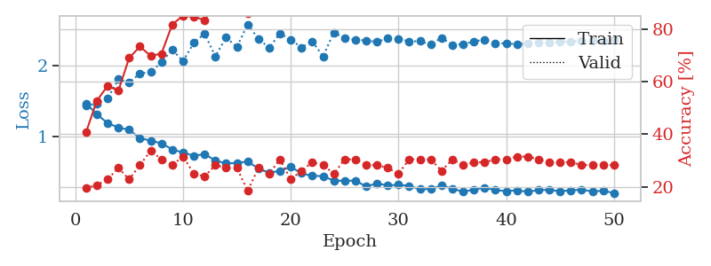
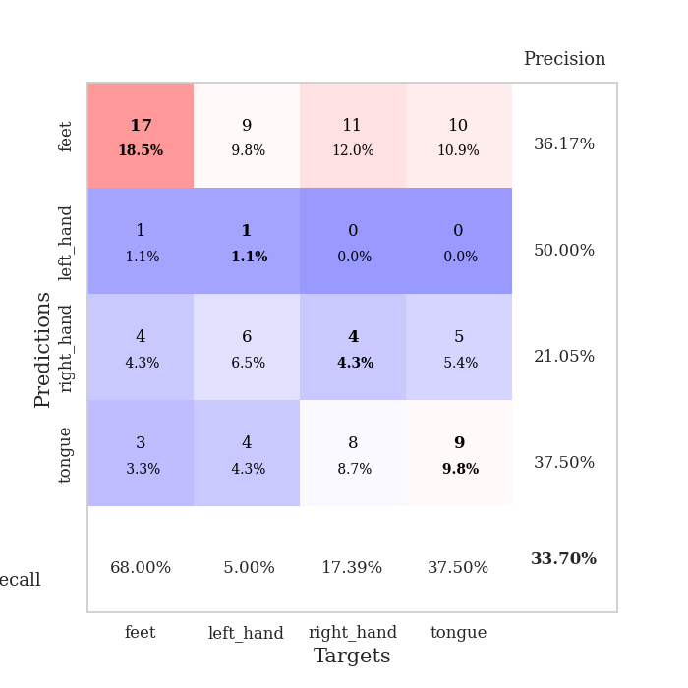
train_loss | valid_loss | train_accuracy | valid_accuracy | dur | train_misclass | valid_misclass
1.4665401811 | 1.4371206657 | 0.40760869565 | 0.19565217391 | 0.080080032349 | 40.760869565 | 19.565217391
1.3130712457 | 1.4617490768 | 0.52717391304 | 0.20652173913 | 0.078182935715 | 52.717391304 | 20.652173913
1.1844156799 | 1.5345833561 | 0.58423913043 | 0.22826086957 | 0.07803273201 | 58.423913043 | 22.826086957
1.1233873445 | 1.8089876019 | 0.5652173913 | 0.27173913043 | 0.078268766403 | 56.52173913 | 27.173913043
1.0900114282 | 1.7655896778 | 0.6902173913 | 0.22826086957 | 0.078088998795 | 69.02173913 | 22.826086957
0.9711218554 | 1.8895292023 | 0.73369565217 | 0.28260869565 | 0.078609228134 | 73.369565217 | 28.260869565
0.93524949965 | 1.9154472766 | 0.69836956522 | 0.33695652174 | 0.078605413437 | 69.836956522 | 33.695652174
0.89783695988 | 2.0506449109 | 0.70652173913 | 0.30434782609 | 0.078175067902 | 70.652173913 | 30.434782609
0.81070274892 | 2.2306953824 | 0.81793478261 | 0.28260869565 | 0.078276634216 | 81.793478261 | 28.260869565
0.76585329227 | 2.0675308445 | 0.85054347826 | 0.3152173913 | 0.078423976898 | 85.054347826 | 31.52173913
0.72100409865 | 2.3276568496 | 0.84782608696 | 0.25 | 0.077998638153 | 84.782608696 | 25
0.74394933426 | 2.4609895271 | 0.83423913043 | 0.23913043478 | 0.079561948776 | 83.423913043 | 23.913043478
0.65335010705 | 2.1363098207 | 0.89402173913 | 0.28260869565 | 0.079590320587 | 89.402173913 | 28.260869565
0.61142516654 | 2.4058316272 | 0.90217391304 | 0.27173913043 | 0.07941865921 | 90.217391304 | 27.173913043
0.61888195898 | 2.2686295613 | 0.91304347826 | 0.27173913043 | 0.079145908356 | 91.304347826 | 27.173913043
0.63793172137 | 2.5915924777 | 0.86141304348 | 0.1847826087 | 0.0789706707 | 86.141304348 | 18.47826087
0.53952625005 | 2.3844751482 | 0.9375 | 0.27173913043 | 0.080591440201 | 93.75 | 27.173913043
0.4768186704 | 2.2580814517 | 0.9347826087 | 0.25 | 0.078275203705 | 93.47826087 | 25
0.50723652995 | 2.463728687 | 0.95380434783 | 0.30434782609 | 0.078214883804 | 95.380434783 | 30.434782609
0.56184631068 | 2.3734185903 | 0.96739130435 | 0.22826086957 | 0.078121423721 | 96.739130435 | 22.826086957
0.47077582777 | 2.2632843204 | 0.97010869565 | 0.26086956522 | 0.078294038773 | 97.010869565 | 26.086956522
0.43348625173 | 2.3500043102 | 0.97282608696 | 0.29347826087 | 0.078250169754 | 97.282608696 | 29.347826087
0.43112155925 | 2.1356476286 | 0.98097826087 | 0.28260869565 | 0.078463315964 | 98.097826087 | 28.260869565
0.3644539526 | 2.4778576623 | 0.97010869565 | 0.25 | 0.078436851501 | 97.010869565 | 25
0.36529612023 | 2.397035464 | 0.97554347826 | 0.30434782609 | 0.078732728958 | 97.554347826 | 30.434782609
0.36606972179 | 2.3719351706 | 0.99184782609 | 0.30434782609 | 0.078669309616 | 99.184782609 | 30.434782609
0.28362916248 | 2.3625485897 | 0.9972826087 | 0.28260869565 | 0.078620433807 | 99.72826087 | 28.260869565
0.32667650963 | 2.341568895 | 0.99456521739 | 0.28260869565 | 0.078587770462 | 99.456521739 | 28.260869565
0.29685324301 | 2.3949477258 | 0.99456521739 | 0.27173913043 | 0.078628063202 | 99.456521739 | 27.173913043
0.30793889385 | 2.3840512504 | 1 | 0.25 | 0.078698396683 | 100 | 25
0.29029921183 | 2.3502021354 | 0.9972826087 | 0.30434782609 | 0.078611373901 | 99.72826087 | 30.434782609
0.24306798629 | 2.3518267507 | 0.9972826087 | 0.30434782609 | 0.078466653824 | 99.72826087 | 30.434782609
0.24975875214 | 2.3028142038 | 0.9972826087 | 0.30434782609 | 0.078485250473 | 99.72826087 | 30.434782609
0.29426699553 | 2.4017804913 | 0.98369565217 | 0.26086956522 | 0.078342437744 | 98.369565217 | 26.086956522
0.25299442268 | 2.2991995708 | 0.9972826087 | 0.30434782609 | 0.07852768898 | 99.72826087 | 30.434782609
0.20639477119 | 2.3121802807 | 1 | 0.28260869565 | 0.078510761261 | 100 | 28.260869565
0.24039398441 | 2.3488947931 | 1 | 0.29347826087 | 0.078322410583 | 100 | 29.347826087
0.26455661395 | 2.376166976 | 1 | 0.29347826087 | 0.078497886658 | 100 | 29.347826087
0.23243708099 | 2.3196492195 | 1 | 0.30434782609 | 0.078517436981 | 100 | 30.434782609
0.21619543174 | 2.3235311405 | 1 | 0.30434782609 | 0.078547477722 | 100 | 30.434782609
0.22964375499 | 2.3083536314 | 1 | 0.3152173913 | 0.078501939774 | 100 | 31.52173913
0.20558848232 | 2.3190641921 | 1 | 0.3152173913 | 0.078517913818 | 100 | 31.52173913
0.23289239245 | 2.3387758317 | 1 | 0.30434782609 | 0.078419446945 | 100 | 30.434782609
0.23407276396 | 2.3313698458 | 1 | 0.29347826087 | 0.078685760498 | 100 | 29.347826087
0.21648481002 | 2.3399766735 | 1 | 0.29347826087 | 0.078396558762 | 100 | 29.347826087
0.22805734367 | 2.3467045141 | 1 | 0.29347826087 | 0.078338623047 | 100 | 29.347826087
0.23673362382 | 2.358979816 | 1 | 0.28260869565 | 0.078701019287 | 100 | 28.260869565
0.21172451066 | 2.3604876166 | 1 | 0.28260869565 | 0.078543186188 | 100 | 28.260869565
0.22245695636 | 2.3638778666 | 1 | 0.28260869565 | 0.07853603363 | 100 | 28.260869565
0.18905555165 | 2.366777617 | 1 | 0.28260869565 | 0.078440904617 | 100 | 28.260869565

Best Val accuracy is 0.33695652173913043 and Best test accuracy is 0.29310344827586204

