Sheet
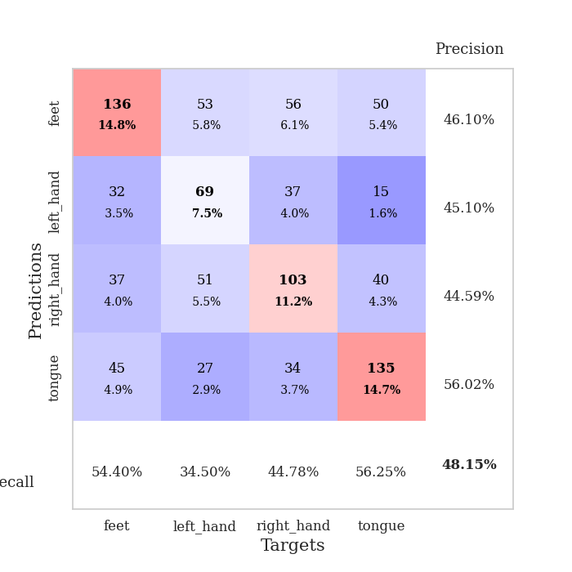
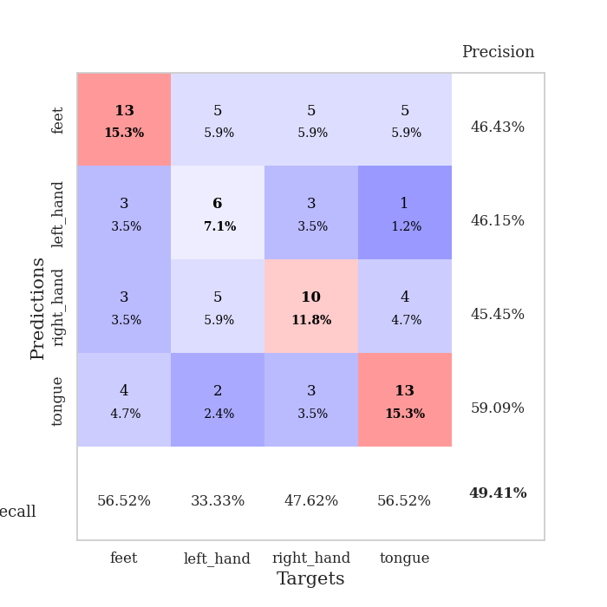
best_val_acc | best_val_los | best_test_acc
0.48913043478 | 1.3860248742 | 0.35344827586
0.46739130435 | 1.4081268984 | 0.4224137931
0.51086956522 | 1.3750821145 | 0.40517241379
0.5 | 1.3680081005 | 0.47413793103
0.47826086957 | 1.3750838041 | 0.35344827586
0.46739130435 | 1.3413705048 | 0.37068965517
0.48913043478 | 1.3921225952 | 0.38793103448
0.42391304348 | 1.4480031936 | 0.37068965517
0.51086956522 | 1.3832755452 | 0.37931034483
0.47826086957 | 1.3856732068 | 0.46551724138

Mean,std Val accuracy is 0.48152173913043483 , 0.025645417926357095 and mean, std test accuracy is 0.3982758620689656 , 0.043351775093439335

Sheet1
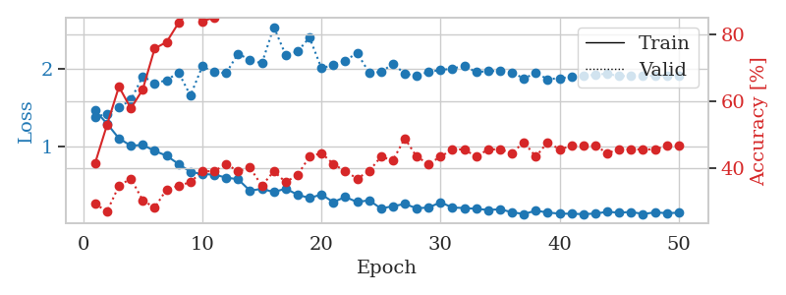
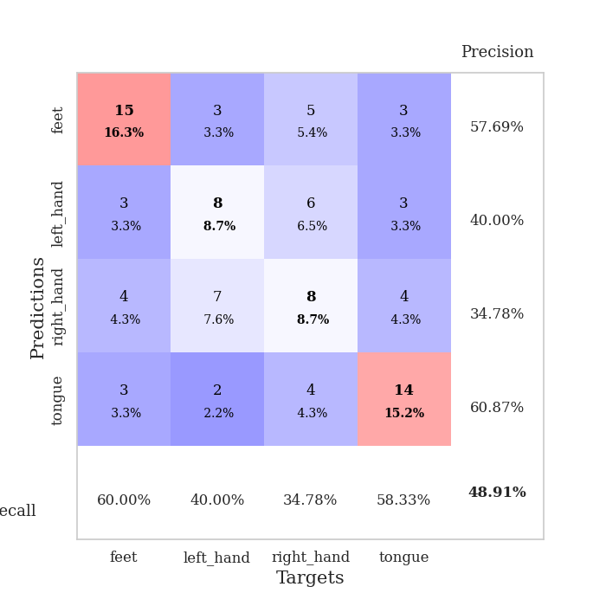
train_loss | valid_loss | train_accuracy | valid_accuracy | dur | train_misclass | valid_misclass
1.4681262763 | 1.3860248742 | 0.41576086957 | 0.29347826087 | 0.078187465668 | 41.576086957 | 29.347826087
1.299206573 | 1.4238509873 | 0.52989130435 | 0.27173913043 | 0.077744245529 | 52.989130435 | 27.173913043
1.1092675769 | 1.5053851553 | 0.64402173913 | 0.34782608696 | 0.077683448792 | 64.402173913 | 34.782608696
1.0162792957 | 1.6058824581 | 0.57880434783 | 0.36956521739 | 0.077876091003 | 57.880434783 | 36.956521739
1.0257052546 | 1.9059075687 | 0.63586956522 | 0.30434782609 | 0.07753276825 | 63.586956522 | 30.434782609
0.94912875735 | 1.8181853761 | 0.75815217391 | 0.28260869565 | 0.077884912491 | 75.815217391 | 28.260869565
0.88728169773 | 1.8563641724 | 0.77717391304 | 0.33695652174 | 0.078268766403 | 77.717391304 | 33.695652174
0.7817699054 | 1.9574208882 | 0.83423913043 | 0.34782608696 | 0.078218460083 | 83.423913043 | 34.782608696
0.68037911731 | 1.6600079692 | 0.875 | 0.35869565217 | 0.078218698502 | 87.5 | 35.869565217
0.65170145164 | 2.0349836142 | 0.83967391304 | 0.39130434783 | 0.078325986862 | 83.967391304 | 39.130434783
0.64485371631 | 1.9630467425 | 0.85054347826 | 0.39130434783 | 0.078351736069 | 85.054347826 | 39.130434783
0.60676876877 | 1.9477279342 | 0.91576086957 | 0.41304347826 | 0.078439235687 | 91.576086957 | 41.304347826
0.58501899502 | 2.198649536 | 0.92119565217 | 0.39130434783 | 0.078238248825 | 92.119565217 | 39.130434783
0.43853946613 | 2.1165707837 | 0.90217391304 | 0.40217391304 | 0.077871084213 | 90.217391304 | 40.217391304
0.46223094671 | 2.0733694201 | 0.97282608696 | 0.34782608696 | 0.078215360641 | 97.282608696 | 34.782608696
0.4206364252 | 2.5398488874 | 0.88043478261 | 0.39130434783 | 0.07822394371 | 88.043478261 | 39.130434783
0.46490994225 | 2.1811174724 | 0.95923913043 | 0.35869565217 | 0.078277349472 | 95.923913043 | 35.869565217
0.38646600881 | 2.2257306887 | 0.96467391304 | 0.38043478261 | 0.078187465668 | 96.467391304 | 38.043478261
0.34402462095 | 2.4055904513 | 0.96467391304 | 0.4347826087 | 0.078236818314 | 96.467391304 | 43.47826087
0.38941398846 | 2.0124991407 | 0.98913043478 | 0.44565217391 | 0.078186511993 | 98.913043478 | 44.565217391
0.2912995608 | 2.0516327205 | 0.99456521739 | 0.41304347826 | 0.078129768372 | 99.456521739 | 41.304347826
0.35844573314 | 2.1097627671 | 0.98369565217 | 0.39130434783 | 0.077780008316 | 98.369565217 | 39.130434783
0.29247628573 | 2.20610446 | 0.97554347826 | 0.36956521739 | 0.078137874603 | 97.554347826 | 36.956521739
0.31528794992 | 1.9564575527 | 0.97826086957 | 0.39130434783 | 0.078225374222 | 97.826086957 | 39.130434783
0.21017776203 | 1.9606962826 | 0.9972826087 | 0.4347826087 | 0.078206777573 | 99.72826087 | 43.47826087
0.23891989336 | 2.0677907571 | 0.9972826087 | 0.42391304348 | 0.078332901001 | 99.72826087 | 42.391304348
0.26826331797 | 1.942026952 | 0.99456521739 | 0.48913043478 | 0.078187227249 | 99.456521739 | 48.913043478
0.21227732042 | 1.9109080097 | 0.9972826087 | 0.4347826087 | 0.078449010849 | 99.72826087 | 43.47826087
0.22248720783 | 1.965266803 | 0.9972826087 | 0.41304347826 | 0.078207969666 | 99.72826087 | 41.304347826
0.28902397078 | 1.9861694678 | 0.99456521739 | 0.4347826087 | 0.0781686306 | 99.456521739 | 43.47826087
0.22207933211 | 2.0080581955 | 0.9972826087 | 0.45652173913 | 0.078023672104 | 99.72826087 | 45.652173913
0.21550777133 | 2.0388642964 | 1 | 0.45652173913 | 0.078149557114 | 100 | 45.652173913
0.20588040481 | 1.9617544724 | 1 | 0.4347826087 | 0.090961456299 | 100 | 43.47826087
0.19088100869 | 1.9737270345 | 1 | 0.45652173913 | 0.088290691376 | 100 | 45.652173913
0.20023579183 | 1.976568616 | 1 | 0.45652173913 | 0.079394102097 | 100 | 45.652173913
0.16128477454 | 1.9588495182 | 1 | 0.44565217391 | 0.078667402267 | 100 | 44.565217391
0.13930755578 | 1.8780386137 | 1 | 0.47826086957 | 0.079660177231 | 100 | 47.826086957
0.18170870646 | 1.9509577285 | 1 | 0.4347826087 | 0.077908754349 | 100 | 43.47826087
0.15833412483 | 1.8698840711 | 1 | 0.47826086957 | 0.078186035156 | 100 | 47.826086957
0.14366598889 | 1.8830454039 | 1 | 0.45652173913 | 0.078258991241 | 100 | 45.652173913
0.14260206493 | 1.8988453668 | 1 | 0.46739130435 | 0.078143119812 | 100 | 46.739130435
0.13750977976 | 1.9099441974 | 1 | 0.46739130435 | 0.078244447708 | 100 | 46.739130435
0.14453966284 | 1.9292270152 | 1 | 0.46739130435 | 0.078187227249 | 100 | 46.739130435
0.16716812502 | 1.9411793325 | 1 | 0.44565217391 | 0.079528570175 | 100 | 44.565217391
0.15640862529 | 1.9086768472 | 1 | 0.45652173913 | 0.078542232513 | 100 | 45.652173913
0.16551440387 | 1.9141119822 | 1 | 0.45652173913 | 0.078933954239 | 100 | 45.652173913
0.13961319301 | 1.913469667 | 1 | 0.45652173913 | 0.078073740005 | 100 | 45.652173913
0.15940444852 | 1.9151610862 | 1 | 0.45652173913 | 0.077667474747 | 100 | 45.652173913
0.15020742583 | 1.9160859533 | 1 | 0.46739130435 | 0.077983617783 | 100 | 46.739130435
0.15546622111 | 1.9173628506 | 1 | 0.46739130435 | 0.077903747559 | 100 | 46.739130435

Best Val accuracy is 0.4891304347826087 and Best test accuracy is 0.35344827586206895

Sheet2
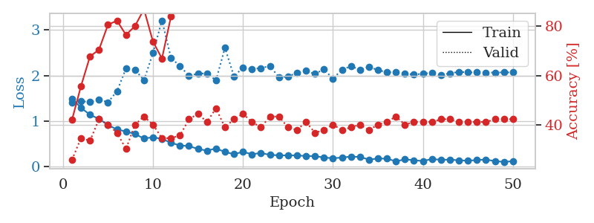
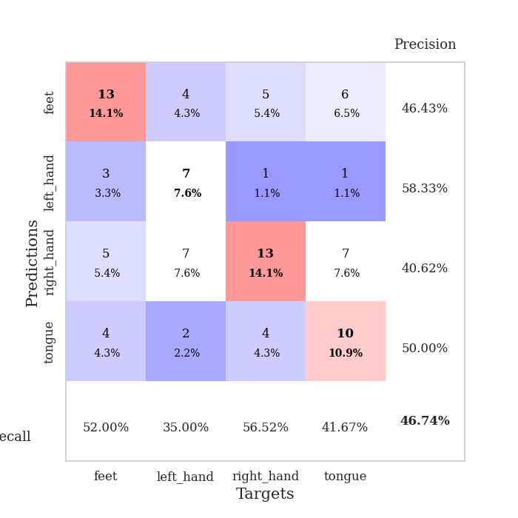
train_loss | valid_loss | train_accuracy | valid_accuracy | dur | train_misclass | valid_misclass
1.4958478782 | 1.4081268984 | 0.42119565217 | 0.26086956522 | 0.079220533371 | 42.119565217 | 26.086956522
1.2928894914 | 1.4371417657 | 0.55706521739 | 0.34782608696 | 0.078477621078 | 55.706521739 | 34.782608696
1.1397216579 | 1.4189677809 | 0.67663043478 | 0.33695652174 | 0.078320264816 | 67.663043478 | 33.695652174
1.048539794 | 1.4751229338 | 0.70380434783 | 0.42391304348 | 0.077972412109 | 70.380434783 | 42.391304348
0.91696199645 | 1.4130806767 | 0.80434782609 | 0.40217391304 | 0.078178167343 | 80.434782609 | 40.217391304
0.81470721442 | 1.6548915998 | 0.82065217391 | 0.36956521739 | 0.078319549561 | 82.065217391 | 36.956521739
0.77484935263 | 2.1525763792 | 0.76358695652 | 0.30434782609 | 0.078791618347 | 76.358695652 | 30.434782609
0.71590661096 | 2.1272254457 | 0.79891304348 | 0.40217391304 | 0.07897233963 | 79.891304348 | 40.217391304
0.61887794992 | 1.8968500469 | 0.86684782609 | 0.4347826087 | 0.078893661499 | 86.684782609 | 43.47826087
0.64727392663 | 2.4901997162 | 0.73641304348 | 0.40217391304 | 0.079214334488 | 73.641304348 | 40.217391304
0.60995151038 | 3.2066378075 | 0.66847826087 | 0.34782608696 | 0.078919887543 | 66.847826087 | 34.782608696
0.52570224067 | 2.3879784086 | 0.83695652174 | 0.34782608696 | 0.078904628754 | 83.695652174 | 34.782608696
0.46544792406 | 2.2055071903 | 0.88043478261 | 0.35869565217 | 0.079035758972 | 88.043478261 | 35.869565217
0.45316892344 | 1.9954490247 | 0.96739130435 | 0.42391304348 | 0.078858852386 | 96.739130435 | 42.391304348
0.38973610103 | 2.0402000313 | 0.96195652174 | 0.44565217391 | 0.078828811646 | 96.195652174 | 44.565217391
0.35365231724 | 2.0481903708 | 0.94836956522 | 0.41304347826 | 0.079141378403 | 94.836956522 | 41.304347826
0.40041514259 | 1.8918753085 | 0.98641304348 | 0.46739130435 | 0.079113483429 | 98.641304348 | 46.739130435
0.32446088091 | 2.6070879231 | 0.92934782609 | 0.39130434783 | 0.07915186882 | 92.934782609 | 39.130434783
0.27463310147 | 1.9816631649 | 0.97826086957 | 0.42391304348 | 0.078831672668 | 97.826086957 | 42.391304348
0.32745182385 | 2.1730679429 | 0.99184782609 | 0.44565217391 | 0.078826665878 | 99.184782609 | 44.565217391
0.2729671442 | 2.1400000583 | 0.99456521739 | 0.41304347826 | 0.078779935837 | 99.456521739 | 41.304347826
0.30329478338 | 2.1631523008 | 0.98369565217 | 0.39130434783 | 0.07874250412 | 98.369565217 | 39.130434783
0.25822978936 | 2.208214143 | 0.98913043478 | 0.4347826087 | 0.078994989395 | 98.913043478 | 43.47826087
0.25135643845 | 1.9599658873 | 0.98641304348 | 0.4347826087 | 0.078831195831 | 98.641304348 | 43.47826087
0.24676571041 | 1.9769536516 | 0.9972826087 | 0.39130434783 | 0.078874588013 | 99.72826087 | 39.130434783
0.24946615489 | 2.0599298322 | 0.99456521739 | 0.38043478261 | 0.078778743744 | 99.456521739 | 38.043478261
0.23406828908 | 2.0992816635 | 0.98913043478 | 0.41304347826 | 0.078708648682 | 98.913043478 | 41.304347826
0.2346226573 | 2.0342798544 | 0.9972826087 | 0.36956521739 | 0.078434705734 | 99.72826087 | 36.956521739
0.20118547004 | 2.1380870861 | 1 | 0.38043478261 | 0.07893204689 | 100 | 38.043478261
0.18638221571 | 1.927852387 | 0.99456521739 | 0.40217391304 | 0.078950881958 | 99.456521739 | 40.217391304
0.20105906155 | 2.1292253629 | 0.9972826087 | 0.38043478261 | 0.078932523727 | 99.72826087 | 38.043478261
0.22332654084 | 2.2023371095 | 0.9972826087 | 0.39130434783 | 0.07884478569 | 99.72826087 | 39.130434783
0.21440589622 | 2.1278961482 | 0.9972826087 | 0.40217391304 | 0.079194784164 | 99.72826087 | 40.217391304
0.15792325495 | 2.191341509 | 1 | 0.38043478261 | 0.079151630402 | 100 | 38.043478261
0.17954253567 | 2.1167180279 | 1 | 0.40217391304 | 0.078918933868 | 100 | 40.217391304
0.17751525229 | 2.0733955477 | 1 | 0.41304347826 | 0.0791015625 | 100 | 41.304347826
0.11828634353 | 2.0680715416 | 0.9972826087 | 0.4347826087 | 0.079124689102 | 99.72826087 | 43.47826087
0.16288806109 | 2.0460000349 | 1 | 0.40217391304 | 0.079023361206 | 100 | 40.217391304
0.14209639443 | 2.0191084198 | 1 | 0.41304347826 | 0.079148054123 | 100 | 41.304347826
0.12540677546 | 2.0395894569 | 0.9972826087 | 0.41304347826 | 0.079078435898 | 99.72826087 | 41.304347826
0.16886996672 | 2.0586470936 | 1 | 0.41304347826 | 0.0790143013 | 100 | 41.304347826
0.15150441772 | 2.0106902019 | 1 | 0.42391304348 | 0.078856468201 | 100 | 42.391304348
0.15607888559 | 2.0492468917 | 1 | 0.42391304348 | 0.078817844391 | 100 | 42.391304348
0.14037014852 | 2.0797232027 | 1 | 0.41304347826 | 0.0787961483 | 100 | 41.304347826
0.13168956291 | 2.0689602624 | 1 | 0.41304347826 | 0.079149961472 | 100 | 41.304347826
0.1472259091 | 2.0666304879 | 1 | 0.41304347826 | 0.07904791832 | 100 | 41.304347826
0.15773712876 | 2.0638255762 | 1 | 0.41304347826 | 0.07910823822 | 100 | 41.304347826
0.12286219098 | 2.0656772178 | 1 | 0.42391304348 | 0.079027175903 | 100 | 42.391304348
0.10692500291 | 2.0674047055 | 1 | 0.42391304348 | 0.078800201416 | 100 | 42.391304348
0.12155777977 | 2.0683787698 | 1 | 0.42391304348 | 0.078749895096 | 100 | 42.391304348

Best Val accuracy is 0.4673913043478261 and Best test accuracy is 0.4224137931034483

Sheet3
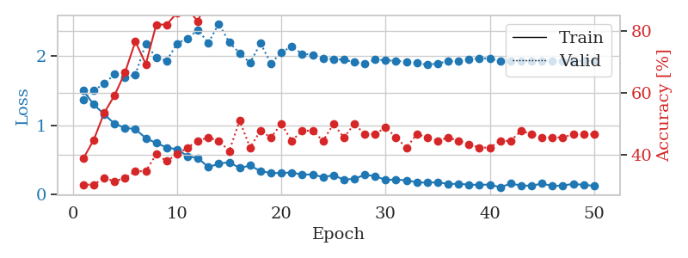
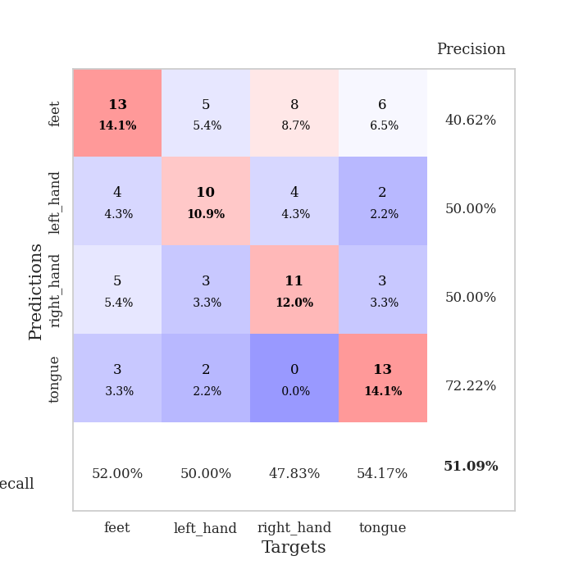
train_loss | valid_loss | train_accuracy | valid_accuracy | dur | train_misclass | valid_misclass
1.5015751745 | 1.3750821145 | 0.38858695652 | 0.30434782609 | 0.078635215759 | 38.858695652 | 30.434782609
1.3018100495 | 1.5027788774 | 0.44836956522 | 0.30434782609 | 0.077876567841 | 44.836956522 | 30.434782609
1.1621833988 | 1.6022457092 | 0.53532608696 | 0.32608695652 | 0.077606201172 | 53.532608696 | 32.608695652
1.022784824 | 1.7371067379 | 0.59239130435 | 0.3152173913 | 0.077475786209 | 59.239130435 | 31.52173913
0.96501107579 | 1.6932920373 | 0.66576086957 | 0.32608695652 | 0.078328371048 | 66.576086957 | 32.608695652
0.9457283331 | 1.7328148096 | 0.76630434783 | 0.34782608696 | 0.078497409821 | 76.630434783 | 34.782608696
0.81497178777 | 2.1794447432 | 0.69293478261 | 0.34782608696 | 0.083165884018 | 69.293478261 | 34.782608696
0.74555644004 | 1.9778316332 | 0.82065217391 | 0.40217391304 | 0.078471183777 | 82.065217391 | 40.217391304
0.68084325868 | 1.9322983337 | 0.82065217391 | 0.38043478261 | 0.078496694565 | 82.065217391 | 38.043478261
0.65432083477 | 2.1811969228 | 0.85869565217 | 0.40217391304 | 0.078497886658 | 85.869565217 | 40.217391304
0.55648869794 | 2.2545844887 | 0.86956521739 | 0.42391304348 | 0.078349590302 | 86.956521739 | 42.391304348
0.52749459769 | 2.3767279646 | 0.83152173913 | 0.44565217391 | 0.078672885895 | 83.152173913 | 44.565217391
0.39842748512 | 2.1893810189 | 0.91576086957 | 0.45652173913 | 0.078652620316 | 91.576086957 | 45.652173913
0.44619945372 | 2.4677056022 | 0.92934782609 | 0.44565217391 | 0.07887840271 | 92.934782609 | 44.565217391
0.4699858589 | 2.1983651908 | 0.97010869565 | 0.41304347826 | 0.078562498093 | 97.010869565 | 41.304347826
0.38444473044 | 2.0436579715 | 0.95380434783 | 0.51086956522 | 0.07889008522 | 95.380434783 | 51.086956522
0.42115360693 | 1.9006130436 | 0.98097826087 | 0.42391304348 | 0.078848600388 | 98.097826087 | 42.391304348
0.34028948325 | 2.185725378 | 0.97554347826 | 0.47826086957 | 0.078390836716 | 97.554347826 | 47.826086957
0.31346198139 | 1.8931418554 | 0.99456521739 | 0.45652173913 | 0.078528165817 | 99.456521739 | 45.652173913
0.31247355173 | 2.054228057 | 0.97826086957 | 0.5 | 0.07847070694 | 97.826086957 | 50
0.32087503147 | 2.1376330904 | 0.99456521739 | 0.44565217391 | 0.078518867493 | 99.456521739 | 44.565217391
0.28910338684 | 2.031745807 | 0.99456521739 | 0.47826086957 | 0.07857632637 | 99.456521739 | 47.826086957
0.29296990419 | 2.0209389407 | 0.99456521739 | 0.47826086957 | 0.078589439392 | 99.456521739 | 47.826086957
0.25278011288 | 1.9648060954 | 1 | 0.44565217391 | 0.078908443451 | 100 | 44.565217391
0.28145552167 | 1.955282004 | 1 | 0.5 | 0.078642845154 | 100 | 50
0.21680912132 | 1.9488247167 | 0.9972826087 | 0.45652173913 | 0.078572750092 | 99.72826087 | 45.652173913
0.23001041199 | 1.9098881017 | 0.9972826087 | 0.5 | 0.078759431839 | 99.72826087 | 50
0.28493817766 | 1.88799983 | 0.9972826087 | 0.46739130435 | 0.078660011292 | 99.72826087 | 46.739130435
0.26977203236 | 1.9478964339 | 0.99456521739 | 0.46739130435 | 0.078680038452 | 99.456521739 | 46.739130435
0.21184681226 | 1.9420729565 | 1 | 0.48913043478 | 0.078768014908 | 100 | 48.913043478
0.21894265355 | 1.9290805122 | 1 | 0.45652173913 | 0.078747034073 | 100 | 45.652173913
0.20652265426 | 1.9208730148 | 1 | 0.42391304348 | 0.078613519669 | 100 | 42.391304348
0.1786329317 | 1.899875729 | 1 | 0.46739130435 | 0.078763246536 | 100 | 46.739130435
0.17349105604 | 1.8742586011 | 1 | 0.45652173913 | 0.078760385513 | 100 | 45.652173913
0.18019288568 | 1.8946902389 | 1 | 0.44565217391 | 0.078639030457 | 100 | 44.565217391
0.15379447409 | 1.9249857042 | 1 | 0.45652173913 | 0.078742027283 | 100 | 45.652173913
0.15765193915 | 1.9311816744 | 1 | 0.44565217391 | 0.078494787216 | 100 | 44.565217391
0.14438644878 | 1.9487796918 | 1 | 0.4347826087 | 0.078697681427 | 100 | 43.47826087
0.14168323366 | 1.9675726839 | 1 | 0.42391304348 | 0.078747749329 | 100 | 42.391304348
0.14628399196 | 1.9642288996 | 1 | 0.42391304348 | 0.078682899475 | 100 | 42.391304348
0.10722580633 | 1.9271976585 | 1 | 0.44565217391 | 0.078612089157 | 100 | 44.565217391
0.16094984681 | 1.9247590407 | 1 | 0.44565217391 | 0.078677415848 | 100 | 44.565217391
0.13178376627 | 1.9260379387 | 1 | 0.47826086957 | 0.079058170319 | 100 | 47.826086957
0.13007234652 | 1.9338732647 | 1 | 0.46739130435 | 0.07892537117 | 100 | 46.739130435
0.15994549834 | 1.9314993516 | 1 | 0.45652173913 | 0.078709363937 | 100 | 45.652173913
0.12625141085 | 1.9334531919 | 1 | 0.45652173913 | 0.078703641891 | 100 | 45.652173913
0.13192262776 | 1.9312888799 | 1 | 0.45652173913 | 0.078670740128 | 100 | 45.652173913
0.15652770711 | 1.9323932762 | 1 | 0.46739130435 | 0.078558683395 | 100 | 46.739130435
0.14111934699 | 1.931774383 | 1 | 0.46739130435 | 0.078743457794 | 100 | 46.739130435
0.12860170055 | 1.9314836212 | 1 | 0.46739130435 | 0.078681230545 | 100 | 46.739130435

Best Val accuracy is 0.5108695652173914 and Best test accuracy is 0.4051724137931034

Sheet4
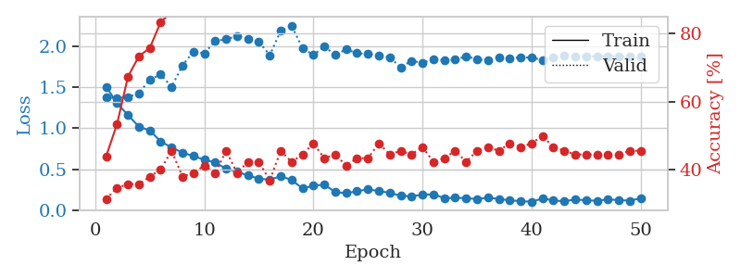
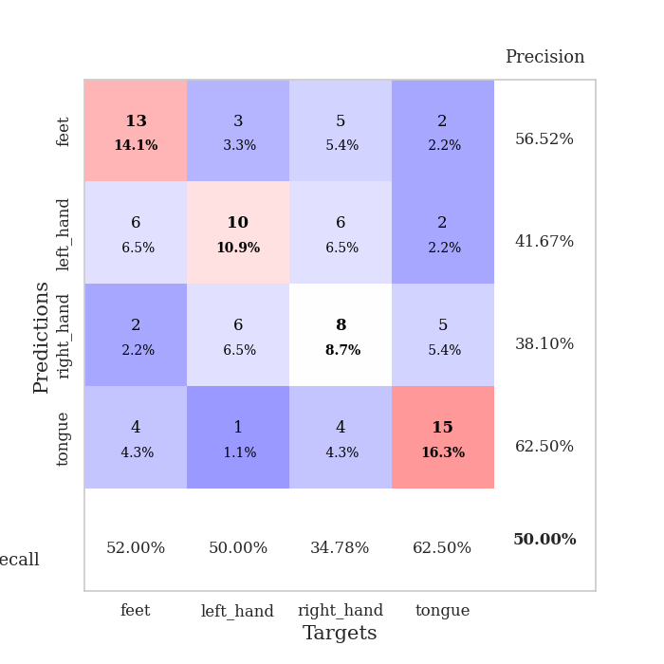
train_loss | valid_loss | train_accuracy | valid_accuracy | dur | train_misclass | valid_misclass
1.5042794632 | 1.3698727929 | 0.4402173913 | 0.3152173913 | 0.079199552536 | 44.02173913 | 31.52173913
1.3031418116 | 1.3680081005 | 0.53532608696 | 0.34782608696 | 0.078568696976 | 53.532608696 | 34.782608696
1.1592394528 | 1.377161083 | 0.67391304348 | 0.35869565217 | 0.078386545181 | 67.391304348 | 35.869565217
1.0170477214 | 1.4245127336 | 0.73369565217 | 0.35869565217 | 0.078504800797 | 73.369565217 | 35.869565217
0.97105059935 | 1.5915784473 | 0.75815217391 | 0.38043478261 | 0.078336954117 | 75.815217391 | 38.043478261
0.83732250462 | 1.6521125721 | 0.83423913043 | 0.40217391304 | 0.078649759293 | 83.423913043 | 40.217391304
0.76335710676 | 1.5033057669 | 0.86413043478 | 0.45652173913 | 0.078707695007 | 86.413043478 | 45.652173913
0.70184542174 | 1.7634040739 | 0.88315217391 | 0.38043478261 | 0.078604698181 | 88.315217391 | 38.043478261
0.65871295851 | 1.9310415517 | 0.875 | 0.39130434783 | 0.078716516495 | 87.5 | 39.130434783
0.6144832282 | 1.9100174126 | 0.9347826087 | 0.41304347826 | 0.07874250412 | 93.47826087 | 41.304347826
0.5808021491 | 2.060351351 | 0.94565217391 | 0.39130434783 | 0.078526735306 | 94.565217391 | 39.130434783
0.50364482727 | 2.0826389064 | 0.92663043478 | 0.45652173913 | 0.078490495682 | 92.663043478 | 45.652173913
0.46928861867 | 2.1206674058 | 0.95923913043 | 0.39130434783 | 0.078708171844 | 95.923913043 | 39.130434783
0.42284061144 | 2.0867878561 | 0.95923913043 | 0.42391304348 | 0.07865691185 | 95.923913043 | 42.391304348
0.38432368183 | 2.0525625789 | 0.95923913043 | 0.42391304348 | 0.078683137894 | 95.923913043 | 42.391304348
0.370322405 | 1.8884763666 | 0.99456521739 | 0.36956521739 | 0.078626871109 | 99.456521739 | 36.956521739
0.41418525253 | 2.1825149889 | 0.94293478261 | 0.45652173913 | 0.078560113907 | 94.293478261 | 45.652173913
0.36877545844 | 2.249655423 | 0.97282608696 | 0.42391304348 | 0.078588485718 | 97.282608696 | 42.391304348
0.26433691965 | 1.9732934807 | 0.97554347826 | 0.44565217391 | 0.078731298447 | 97.554347826 | 44.565217391
0.29847458264 | 1.8896379782 | 0.99184782609 | 0.47826086957 | 0.078837156296 | 99.184782609 | 47.826086957
0.31088707305 | 1.9941379298 | 0.98641304348 | 0.4347826087 | 0.078751087189 | 98.641304348 | 43.47826087
0.22144109902 | 1.88931461 | 0.9972826087 | 0.44565217391 | 0.078613519669 | 99.72826087 | 44.565217391
0.20736930163 | 1.9595600367 | 1 | 0.41304347826 | 0.078726530075 | 100 | 41.304347826
0.23006457989 | 1.9118849557 | 0.9972826087 | 0.4347826087 | 0.07866024971 | 99.72826087 | 43.47826087
0.25501129711 | 1.9019536557 | 1 | 0.4347826087 | 0.078563213348 | 100 | 43.47826087
0.23143014458 | 1.8885135651 | 0.98913043478 | 0.47826086957 | 0.078495025635 | 98.913043478 | 47.826086957
0.21238725762 | 1.8625835802 | 1 | 0.44565217391 | 0.078584194183 | 100 | 44.565217391
0.1745514915 | 1.7396481815 | 1 | 0.45652173913 | 0.078665018082 | 100 | 45.652173913
0.17002062273 | 1.8200312646 | 1 | 0.44565217391 | 0.078680038452 | 100 | 44.565217391
0.18764746205 | 1.792538617 | 1 | 0.46739130435 | 0.078625917435 | 100 | 46.739130435
0.19362785975 | 1.8419894602 | 1 | 0.42391304348 | 0.078524827957 | 100 | 42.391304348
0.14718342783 | 1.8251846977 | 1 | 0.4347826087 | 0.078723907471 | 100 | 43.47826087
0.15086521872 | 1.8346956502 | 1 | 0.45652173913 | 0.078681945801 | 100 | 45.652173913
0.14730139498 | 1.8736793943 | 1 | 0.42391304348 | 0.078649997711 | 100 | 42.391304348
0.13584851344 | 1.841131542 | 1 | 0.45652173913 | 0.078441858292 | 100 | 45.652173913
0.15199347569 | 1.8225938704 | 1 | 0.46739130435 | 0.078491449356 | 100 | 46.739130435
0.13773248523 | 1.8572894957 | 1 | 0.45652173913 | 0.078811168671 | 100 | 45.652173913
0.11998998584 | 1.8511524978 | 1 | 0.47826086957 | 0.078606843948 | 100 | 47.826086957
0.11110526323 | 1.8615318537 | 1 | 0.46739130435 | 0.078554153442 | 100 | 46.739130435
0.10245181814 | 1.8578775499 | 1 | 0.47826086957 | 0.078623533249 | 100 | 47.826086957
0.14335184633 | 1.8314195457 | 1 | 0.5 | 0.078744888306 | 100 | 50
0.1189663096 | 1.8641664878 | 1 | 0.46739130435 | 0.080907821655 | 100 | 46.739130435
0.10861150588 | 1.8788855646 | 1 | 0.45652173913 | 0.07875919342 | 100 | 45.652173913
0.13026523218 | 1.8764612623 | 1 | 0.44565217391 | 0.078611373901 | 100 | 44.565217391
0.12107239623 | 1.8765932995 | 1 | 0.44565217391 | 0.079751729965 | 100 | 44.565217391
0.11462974484 | 1.8734020565 | 1 | 0.44565217391 | 0.078937768936 | 100 | 44.565217391
0.13226999415 | 1.8756854482 | 1 | 0.44565217391 | 0.079107761383 | 100 | 44.565217391
0.12268354169 | 1.8728575344 | 1 | 0.44565217391 | 0.078699588776 | 100 | 44.565217391
0.11622781161 | 1.8728373621 | 1 | 0.45652173913 | 0.078714609146 | 100 | 45.652173913
0.14375557588 | 1.8732510701 | 1 | 0.45652173913 | 0.078610420227 | 100 | 45.652173913

Best Val accuracy is 0.5 and Best test accuracy is 0.47413793103448276

Sheet5
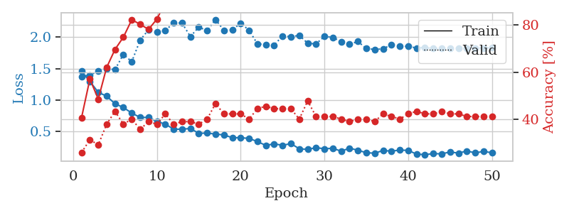
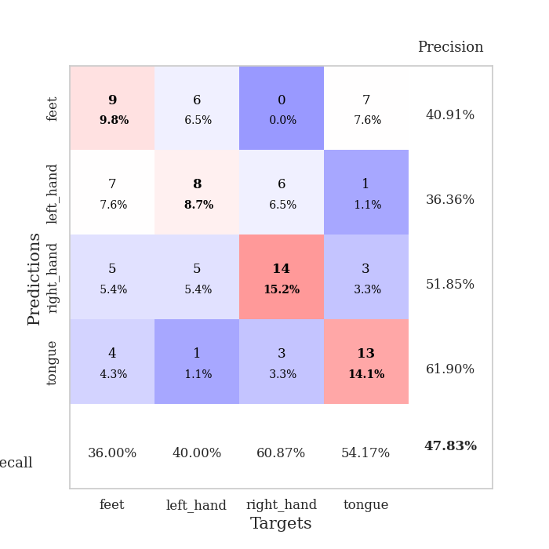
train_loss | valid_loss | train_accuracy | valid_accuracy | dur | train_misclass | valid_misclass
1.4569781293 | 1.3750838041 | 0.40760869565 | 0.26086956522 | 0.078611135483 | 40.760869565 | 26.086956522
1.2955823981 | 1.3970907201 | 0.57065217391 | 0.3152173913 | 0.077828645706 | 57.065217391 | 31.52173913
1.121901665 | 1.4609047382 | 0.48641304348 | 0.29347826087 | 0.077710151672 | 48.641304348 | 29.347826087
1.0612171292 | 1.4967411653 | 0.61956521739 | 0.38043478261 | 0.077744245529 | 61.956521739 | 38.043478261
0.94032349535 | 1.4845661962 | 0.69565217391 | 0.4347826087 | 0.07842540741 | 69.565217391 | 43.47826087
0.88035598009 | 1.7263133681 | 0.7472826087 | 0.38043478261 | 0.07848072052 | 74.72826087 | 38.043478261
0.79133544279 | 1.60928763 | 0.82065217391 | 0.40217391304 | 0.078509807587 | 82.065217391 | 40.217391304
0.72257004613 | 1.9523324267 | 0.80163043478 | 0.35869565217 | 0.078321218491 | 80.163043478 | 35.869565217
0.72289795461 | 2.1177133114 | 0.77989130435 | 0.39130434783 | 0.078336000443 | 77.989130435 | 39.130434783
0.65584381637 | 2.0773001909 | 0.82336956522 | 0.38043478261 | 0.078336954117 | 82.336956522 | 38.043478261
0.61698574864 | 2.1044147688 | 0.89402173913 | 0.42391304348 | 0.07821393013 | 89.402173913 | 42.391304348
0.53454388613 | 2.227888978 | 0.89673913043 | 0.38043478261 | 0.078492879868 | 89.673913043 | 38.043478261
0.53520562856 | 2.2245289035 | 0.91032608696 | 0.39130434783 | 0.07859992981 | 91.032608696 | 39.130434783
0.54621758668 | 2.0092750995 | 0.92119565217 | 0.39130434783 | 0.078553438187 | 92.119565217 | 39.130434783
0.46942744566 | 2.1601482267 | 0.9402173913 | 0.38043478261 | 0.078561544418 | 94.02173913 | 38.043478261
0.47320805296 | 2.1027558005 | 0.96467391304 | 0.40217391304 | 0.078656435013 | 96.467391304 | 40.217391304
0.4575065342 | 2.2804246415 | 0.94565217391 | 0.46739130435 | 0.078484296799 | 94.565217391 | 46.739130435
0.44365106134 | 2.107659428 | 0.96467391304 | 0.42391304348 | 0.078733444214 | 96.467391304 | 42.391304348
0.40034891406 | 2.1142836705 | 0.97826086957 | 0.42391304348 | 0.078639745712 | 97.826086957 | 42.391304348
0.39955476445 | 2.2236047413 | 0.98097826087 | 0.42391304348 | 0.078594923019 | 98.097826087 | 42.391304348
0.3887097531 | 2.1098270831 | 0.98097826087 | 0.40217391304 | 0.078594923019 | 98.097826087 | 40.217391304
0.33832765533 | 1.8932751313 | 0.97826086957 | 0.44565217391 | 0.078575611115 | 97.826086957 | 44.565217391
0.27716397591 | 1.881533006 | 0.98641304348 | 0.45652173913 | 0.078542232513 | 98.641304348 | 45.652173913
0.30177542179 | 1.8735942245 | 0.99456521739 | 0.44565217391 | 0.078437805176 | 99.456521739 | 44.565217391
0.2788521547 | 2.019336405 | 0.99456521739 | 0.44565217391 | 0.078869104385 | 99.456521739 | 44.565217391
0.30526423292 | 2.0075390183 | 1 | 0.44565217391 | 0.078439950943 | 100 | 44.565217391
0.22325813544 | 2.0281016723 | 0.98913043478 | 0.40217391304 | 0.0783162117 | 98.913043478 | 40.217391304
0.21290895683 | 1.9031717414 | 1 | 0.47826086957 | 0.078428268433 | 100 | 47.826086957
0.24136648133 | 1.8920056146 | 1 | 0.41304347826 | 0.078838825226 | 100 | 41.304347826
0.22362407556 | 2.0124214577 | 1 | 0.41304347826 | 0.078620195389 | 100 | 41.304347826
0.23163185366 | 1.9976188463 | 1 | 0.41304347826 | 0.07848072052 | 100 | 41.304347826
0.18456175243 | 1.9254666722 | 1 | 0.40217391304 | 0.078692913055 | 100 | 40.217391304
0.23300719099 | 1.8857694812 | 1 | 0.39130434783 | 0.078570842743 | 100 | 39.130434783
0.1997356891 | 1.9311325084 | 1 | 0.40217391304 | 0.078488588333 | 100 | 40.217391304
0.16106501643 | 1.8182762136 | 1 | 0.40217391304 | 0.078661441803 | 100 | 40.217391304
0.15297586665 | 1.8050590443 | 1 | 0.39130434783 | 0.078621387482 | 100 | 39.130434783
0.19617572848 | 1.8143362636 | 1 | 0.42391304348 | 0.07866692543 | 100 | 42.391304348
0.18544554095 | 1.8797801837 | 1 | 0.41304347826 | 0.078434467316 | 100 | 41.304347826
0.20274658857 | 1.8575063166 | 1 | 0.40217391304 | 0.078620672226 | 100 | 40.217391304
0.19791265237 | 1.8537499853 | 1 | 0.42391304348 | 0.07870721817 | 100 | 42.391304348
0.13769810955 | 1.8277756701 | 1 | 0.4347826087 | 0.078639030457 | 100 | 43.47826087
0.13065158381 | 1.8362001284 | 1 | 0.42391304348 | 0.078603982925 | 100 | 42.391304348
0.14559804907 | 1.8180967518 | 1 | 0.42391304348 | 0.078605890274 | 100 | 42.391304348
0.14303056896 | 1.8198192482 | 1 | 0.4347826087 | 0.078596591949 | 100 | 43.47826087
0.1722686 | 1.8235350847 | 1 | 0.42391304348 | 0.078715324402 | 100 | 42.391304348
0.15438550533 | 1.8234294653 | 1 | 0.42391304348 | 0.078832149506 | 100 | 42.391304348
0.18747596864 | 1.8235159957 | 1 | 0.41304347826 | 0.078470230103 | 100 | 41.304347826
0.15866043581 | 1.8258948326 | 1 | 0.41304347826 | 0.078456640244 | 100 | 41.304347826
0.18088912931 | 1.8276794112 | 1 | 0.41304347826 | 0.078483104706 | 100 | 41.304347826
0.16046576761 | 1.8288063537 | 1 | 0.41304347826 | 0.078510046005 | 100 | 41.304347826

Best Val accuracy is 0.4782608695652174 and Best test accuracy is 0.35344827586206895

Sheet6
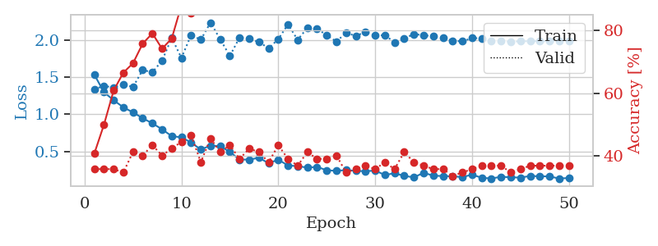
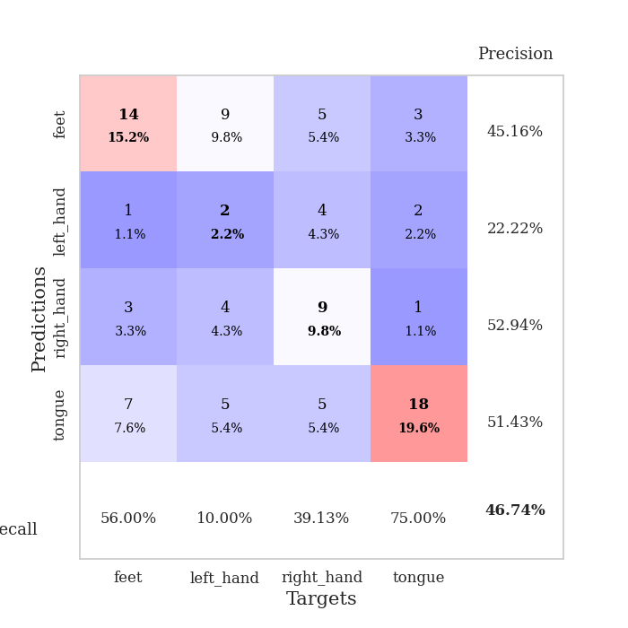
train_loss | valid_loss | train_accuracy | valid_accuracy | dur | train_misclass | valid_misclass
1.5387226239 | 1.3413705048 | 0.40760869565 | 0.35869565217 | 0.078885555267 | 40.760869565 | 35.869565217
1.2994249593 | 1.3836732792 | 0.5 | 0.35869565217 | 0.07784986496 | 50 | 35.869565217
1.1913523544 | 1.3636123046 | 0.60869565217 | 0.35869565217 | 0.077624559402 | 60.869565217 | 35.869565217
1.0950848875 | 1.40558567 | 0.66576086957 | 0.34782608696 | 0.079908847809 | 66.576086957 | 34.782608696
1.0267903597 | 1.3695474552 | 0.69565217391 | 0.41304347826 | 0.078154563904 | 69.565217391 | 41.304347826
0.94777978503 | 1.5992455327 | 0.75815217391 | 0.40217391304 | 0.078230381012 | 75.815217391 | 40.217391304
0.87879919228 | 1.5682684079 | 0.79076086957 | 0.4347826087 | 0.078545093536 | 79.076086957 | 43.47826087
0.79853491679 | 1.7247532347 | 0.74184782609 | 0.40217391304 | 0.078419685364 | 74.184782609 | 40.217391304
0.70527935806 | 2.0331138165 | 0.77445652174 | 0.42391304348 | 0.078278779984 | 77.445652174 | 42.391304348
0.69027070118 | 1.7611273838 | 0.88043478261 | 0.44565217391 | 0.078402996063 | 88.043478261 | 44.565217391
0.61967029779 | 2.0718754426 | 0.85597826087 | 0.46739130435 | 0.078477621078 | 85.597826087 | 46.739130435
0.52486075396 | 2.0074647665 | 0.89130434783 | 0.38043478261 | 0.078511714935 | 89.130434783 | 38.043478261
0.57860534087 | 2.2397045053 | 0.91032608696 | 0.45652173913 | 0.078614234924 | 91.032608696 | 45.652173913
0.56913277507 | 2.014585184 | 0.90760869565 | 0.41304347826 | 0.078645706177 | 90.760869565 | 41.304347826
0.49252844375 | 1.7887035712 | 0.94565217391 | 0.4347826087 | 0.078373193741 | 94.565217391 | 43.47826087
0.3903804998 | 2.0376984555 | 0.96739130435 | 0.39130434783 | 0.078248977661 | 96.739130435 | 39.130434783
0.38873330925 | 2.0210532468 | 0.96739130435 | 0.42391304348 | 0.078232288361 | 96.739130435 | 42.391304348
0.41397103732 | 1.9772600868 | 0.97826086957 | 0.41304347826 | 0.078350782394 | 97.826086957 | 41.304347826
0.33998825401 | 1.8928766613 | 0.98369565217 | 0.38043478261 | 0.078588485718 | 98.369565217 | 38.043478261
0.38845191896 | 2.015913813 | 0.98369565217 | 0.4347826087 | 0.078743457794 | 98.369565217 | 43.47826087
0.30928271977 | 2.2149106005 | 0.98913043478 | 0.39130434783 | 0.078349590302 | 98.913043478 | 39.130434783
0.30092553017 | 2.0062998896 | 0.99456521739 | 0.36956521739 | 0.078602552414 | 99.456521739 | 36.956521739
0.28086079074 | 2.1685928573 | 0.99184782609 | 0.41304347826 | 0.078426599503 | 99.184782609 | 41.304347826
0.29054570652 | 2.1523668973 | 0.99456521739 | 0.39130434783 | 0.078562021255 | 99.456521739 | 39.130434783
0.24520939459 | 2.0721022927 | 1 | 0.39130434783 | 0.078361034393 | 100 | 39.130434783
0.23766221106 | 1.9816668915 | 0.9972826087 | 0.40217391304 | 0.078444719315 | 99.72826087 | 40.217391304
0.24690029122 | 2.104527121 | 0.98913043478 | 0.34782608696 | 0.078530311584 | 98.913043478 | 34.782608696
0.2382397595 | 2.0568728862 | 1 | 0.35869565217 | 0.078708171844 | 100 | 35.869565217
0.23109935742 | 2.1143673814 | 0.99184782609 | 0.36956521739 | 0.07827091217 | 99.184782609 | 36.956521739
0.24155358241 | 2.0636974962 | 1 | 0.35869565217 | 0.07831788063 | 100 | 35.869565217
0.1808975245 | 2.0697042139 | 0.99456521739 | 0.38043478261 | 0.078273296356 | 99.456521739 | 38.043478261
0.20500468851 | 1.9730960856 | 1 | 0.35869565217 | 0.078183174133 | 100 | 35.869565217
0.16911480543 | 2.0243159584 | 1 | 0.41304347826 | 0.078281402588 | 100 | 41.304347826
0.14899472342 | 2.0842532438 | 0.9972826087 | 0.38043478261 | 0.078331947327 | 99.72826087 | 38.043478261
0.21170674005 | 2.0678129818 | 1 | 0.36956521739 | 0.078500986099 | 100 | 36.956521739
0.17169915407 | 2.0564123288 | 1 | 0.35869565217 | 0.078448534012 | 100 | 35.869565217
0.16688272632 | 2.0297765317 | 1 | 0.35869565217 | 0.078415632248 | 100 | 35.869565217
0.16343246109 | 1.9942187278 | 1 | 0.33695652174 | 0.078695058823 | 100 | 33.695652174
0.15266996517 | 1.9858948251 | 1 | 0.34782608696 | 0.07829117775 | 100 | 34.782608696
0.18585961442 | 2.0295919698 | 1 | 0.35869565217 | 0.078693389893 | 100 | 35.869565217
0.14381904495 | 2.0277608789 | 1 | 0.36956521739 | 0.078580617905 | 100 | 36.956521739
0.13398590603 | 1.9956638347 | 1 | 0.36956521739 | 0.078535556793 | 100 | 36.956521739
0.15711628856 | 1.9864013972 | 1 | 0.36956521739 | 0.078608989716 | 100 | 36.956521739
0.15033529828 | 1.9821197105 | 1 | 0.34782608696 | 0.078698396683 | 100 | 34.782608696
0.1457523574 | 1.9860504347 | 1 | 0.35869565217 | 0.078352689743 | 100 | 35.869565217
0.16807034191 | 1.9888743888 | 1 | 0.36956521739 | 0.078449249268 | 100 | 36.956521739
0.16348457045 | 1.9877320735 | 1 | 0.36956521739 | 0.078471422195 | 100 | 36.956521739
0.16220225621 | 1.9859125977 | 1 | 0.36956521739 | 0.078393697739 | 100 | 36.956521739
0.13310545359 | 1.9859902392 | 1 | 0.36956521739 | 0.078518629074 | 100 | 36.956521739
0.14116451565 | 1.9856399816 | 1 | 0.36956521739 | 0.078388929367 | 100 | 36.956521739

Best Val accuracy is 0.4673913043478261 and Best test accuracy is 0.3706896551724138

Sheet7
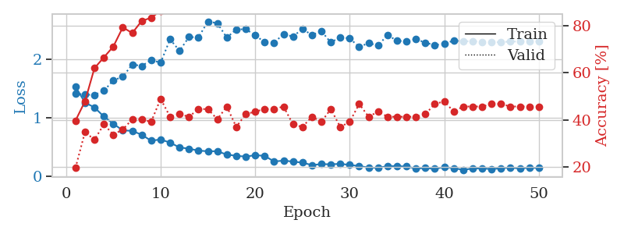
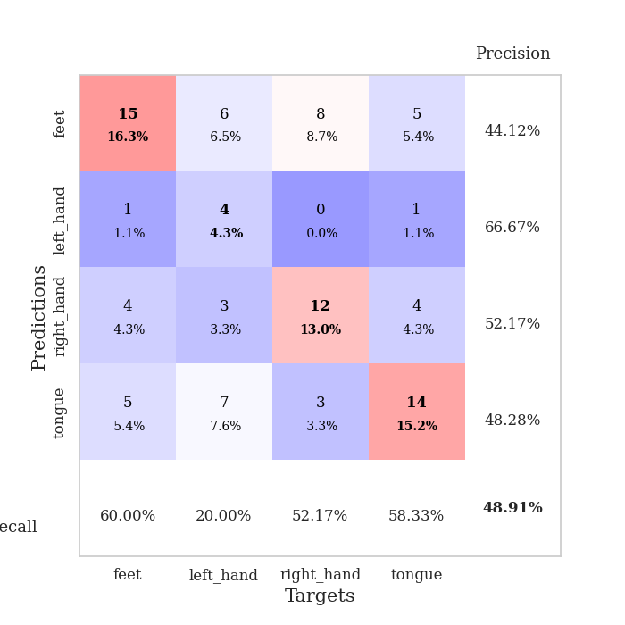
train_loss | valid_loss | train_accuracy | valid_accuracy | dur | train_misclass | valid_misclass
1.5323834627 | 1.4149395227 | 0.39673913043 | 0.19565217391 | 0.078542947769 | 39.673913043 | 19.565217391
1.260227364 | 1.3958693535 | 0.47826086957 | 0.34782608696 | 0.078293323517 | 47.826086957 | 34.782608696
1.1779412446 | 1.3921225952 | 0.61956521739 | 0.3152173913 | 0.078171253204 | 61.956521739 | 31.52173913
1.0205235041 | 1.4619292746 | 0.66576086957 | 0.38043478261 | 0.078578233719 | 66.576086957 | 38.043478261
0.89741387834 | 1.6408320717 | 0.71195652174 | 0.33695652174 | 0.078512907028 | 71.195652174 | 33.695652174
0.78350368013 | 1.7025352405 | 0.79347826087 | 0.35869565217 | 0.078495740891 | 79.347826087 | 35.869565217
0.77686864915 | 1.9128235008 | 0.76902173913 | 0.40217391304 | 0.078655481339 | 76.902173913 | 40.217391304
0.70886845174 | 1.8863744736 | 0.82065217391 | 0.40217391304 | 0.078761816025 | 82.065217391 | 40.217391304
0.60759694939 | 1.9887170377 | 0.83423913043 | 0.39130434783 | 0.078531742096 | 83.423913043 | 39.130434783
0.62925326435 | 1.9423081875 | 0.86413043478 | 0.48913043478 | 0.078694105148 | 86.413043478 | 48.913043478
0.57482999822 | 2.3427022436 | 0.90489130435 | 0.41304347826 | 0.07879114151 | 90.489130435 | 41.304347826
0.49279564749 | 2.146346113 | 0.94293478261 | 0.42391304348 | 0.078558683395 | 94.293478261 | 42.391304348
0.47184528994 | 2.3813881356 | 0.8777173913 | 0.41304347826 | 0.078519105911 | 87.77173913 | 41.304347826
0.43751540974 | 2.3757222113 | 0.91847826087 | 0.44565217391 | 0.078488588333 | 91.847826087 | 44.565217391
0.42786604166 | 2.647902893 | 0.97282608696 | 0.44565217391 | 0.078342676163 | 97.282608696 | 44.565217391
0.42794160998 | 2.618716893 | 0.94293478261 | 0.40217391304 | 0.078389167786 | 94.293478261 | 40.217391304
0.36978237525 | 2.3710608171 | 0.95652173913 | 0.45652173913 | 0.078576087952 | 95.652173913 | 45.652173913
0.35037577411 | 2.5127022526 | 0.98369565217 | 0.36956521739 | 0.078531265259 | 98.369565217 | 36.956521739
0.33547378882 | 2.514651029 | 0.94836956522 | 0.42391304348 | 0.07847571373 | 94.836956522 | 42.391304348
0.36067475508 | 2.4157598174 | 0.97826086957 | 0.4347826087 | 0.078457832336 | 97.826086957 | 43.47826087
0.34846454988 | 2.2890052588 | 0.99184782609 | 0.44565217391 | 0.078427553177 | 99.184782609 | 44.565217391
0.25236713821 | 2.2876775057 | 0.9972826087 | 0.44565217391 | 0.07830953598 | 99.72826087 | 44.565217391
0.26727640937 | 2.4291872875 | 0.99184782609 | 0.45652173913 | 0.078615427017 | 99.184782609 | 45.652173913
0.25075692878 | 2.3908436609 | 0.99456521739 | 0.38043478261 | 0.078440904617 | 99.456521739 | 38.043478261
0.23272097532 | 2.5208873956 | 0.9972826087 | 0.36956521739 | 0.078268527985 | 99.72826087 | 36.956521739
0.19076324935 | 2.4153170482 | 1 | 0.41304347826 | 0.07807302475 | 100 | 41.304347826
0.20734766741 | 2.4837848 | 1 | 0.39130434783 | 0.078371286392 | 100 | 39.130434783
0.20403803431 | 2.2878848573 | 1 | 0.44565217391 | 0.079668045044 | 100 | 44.565217391
0.21172516307 | 2.3801592951 | 1 | 0.36956521739 | 0.079287052155 | 100 | 36.956521739
0.19457144063 | 2.356689251 | 1 | 0.39130434783 | 0.079053401947 | 100 | 39.130434783
0.17356183153 | 2.2133070023 | 1 | 0.46739130435 | 0.085282802582 | 100 | 46.739130435
0.14860136872 | 2.2774400504 | 1 | 0.41304347826 | 0.080368280411 | 100 | 41.304347826
0.14398315031 | 2.236905523 | 1 | 0.4347826087 | 0.080159425735 | 100 | 43.47826087
0.1724937333 | 2.4171194564 | 1 | 0.41304347826 | 0.079210519791 | 100 | 41.304347826
0.17329235812 | 2.3168687924 | 1 | 0.41304347826 | 0.079168319702 | 100 | 41.304347826
0.16693174466 | 2.3085332331 | 1 | 0.41304347826 | 0.079047679901 | 100 | 41.304347826
0.13175686846 | 2.3481585617 | 1 | 0.41304347826 | 0.078858137131 | 100 | 41.304347826
0.14017184937 | 2.2839155819 | 1 | 0.42391304348 | 0.079106330872 | 100 | 42.391304348
0.12680707224 | 2.2432509142 | 1 | 0.46739130435 | 0.079061746597 | 100 | 46.739130435
0.15703610898 | 2.2665100668 | 1 | 0.47826086957 | 0.079234838486 | 100 | 47.826086957
0.13845427415 | 2.3204247278 | 1 | 0.4347826087 | 0.079271316528 | 100 | 43.47826087
0.10941937752 | 2.3108846467 | 1 | 0.45652173913 | 0.079338312149 | 100 | 45.652173913
0.13221127252 | 2.3087741966 | 1 | 0.45652173913 | 0.080486059189 | 100 | 45.652173913
0.13532461663 | 2.3001368149 | 1 | 0.45652173913 | 0.078734874725 | 100 | 45.652173913
0.12191484577 | 2.2889431611 | 1 | 0.46739130435 | 0.078771591187 | 100 | 46.739130435
0.13757734357 | 2.2964750114 | 1 | 0.46739130435 | 0.078787326813 | 100 | 46.739130435
0.14880132286 | 2.3033673608 | 1 | 0.45652173913 | 0.079157829285 | 100 | 45.652173913
0.13157422695 | 2.3051011096 | 1 | 0.45652173913 | 0.079263448715 | 100 | 45.652173913
0.14813678566 | 2.305843996 | 1 | 0.45652173913 | 0.079495429993 | 100 | 45.652173913
0.13957931004 | 2.3066749573 | 1 | 0.45652173913 | 0.079573869705 | 100 | 45.652173913

Best Val accuracy is 0.4891304347826087 and Best test accuracy is 0.3879310344827586

Sheet8
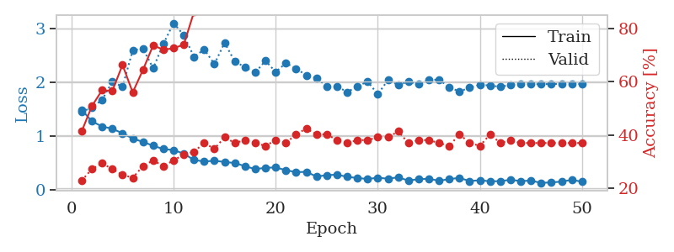
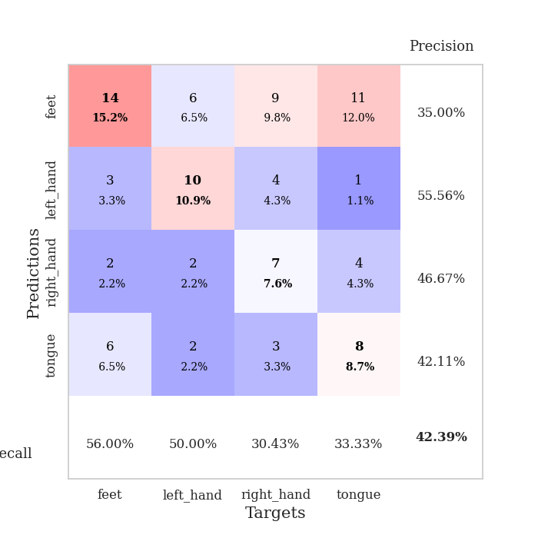
train_loss | valid_loss | train_accuracy | valid_accuracy | dur | train_misclass | valid_misclass
1.4856726242 | 1.4480031936 | 0.41304347826 | 0.22826086957 | 0.080019235611 | 41.304347826 | 22.826086957
1.2717393637 | 1.527033329 | 0.50815217391 | 0.27173913043 | 0.08115029335 | 50.815217391 | 27.173913043
1.1738453741 | 1.6725991861 | 0.56793478261 | 0.29347826087 | 0.078700304031 | 56.793478261 | 29.347826087
1.134022324 | 2.0112777637 | 0.5652173913 | 0.27173913043 | 0.079072713852 | 56.52173913 | 27.173913043
1.0461310796 | 1.915139302 | 0.66304347826 | 0.25 | 0.078826665878 | 66.304347826 | 25
0.95142248921 | 2.5963705104 | 0.5597826087 | 0.23913043478 | 0.079245567322 | 55.97826087 | 23.913043478
0.8859413318 | 2.6287879115 | 0.64402173913 | 0.28260869565 | 0.07937002182 | 64.402173913 | 28.260869565
0.8169635314 | 2.2603668959 | 0.73641304348 | 0.30434782609 | 0.079173088074 | 73.641304348 | 30.434782609
0.75264954049 | 2.7150360709 | 0.72010869565 | 0.28260869565 | 0.079090833664 | 72.010869565 | 28.260869565
0.73591294496 | 3.10320141 | 0.72554347826 | 0.30434782609 | 0.07887172699 | 72.554347826 | 30.434782609
0.66709044705 | 2.8782056415 | 0.73913043478 | 0.32608695652 | 0.078943014145 | 73.913043478 | 32.608695652
0.55031730947 | 2.474411301 | 0.86141304348 | 0.33695652174 | 0.078914403915 | 86.141304348 | 33.695652174
0.52120186842 | 2.6108897665 | 0.90489130435 | 0.36956521739 | 0.079328298569 | 90.489130435 | 36.956521739
0.53564592548 | 2.3401468526 | 0.94836956522 | 0.34782608696 | 0.079282045364 | 94.836956522 | 34.782608696
0.51302196215 | 2.7375515648 | 0.92391304348 | 0.39130434783 | 0.079561471939 | 92.391304348 | 39.130434783
0.49231988969 | 2.3844445892 | 0.91576086957 | 0.36956521739 | 0.079751253128 | 91.576086957 | 36.956521739
0.4344481327 | 2.2832815906 | 0.92663043478 | 0.38043478261 | 0.079393386841 | 92.663043478 | 38.043478261
0.37871303895 | 2.1807441971 | 0.97010869565 | 0.36956521739 | 0.079308509827 | 97.010869565 | 36.956521739
0.40449180681 | 2.4016700828 | 0.96467391304 | 0.35869565217 | 0.079646587372 | 96.467391304 | 35.869565217
0.40954811547 | 2.1922568446 | 0.96739130435 | 0.38043478261 | 0.079711914062 | 96.739130435 | 38.043478261
0.36020608505 | 2.3572678566 | 0.95923913043 | 0.36956521739 | 0.079162120819 | 95.923913043 | 36.956521739
0.32261701608 | 2.2553752713 | 0.97010869565 | 0.40217391304 | 0.079120874405 | 97.010869565 | 40.217391304
0.32850477359 | 2.1295864478 | 0.98369565217 | 0.42391304348 | 0.079097747803 | 98.369565217 | 42.391304348
0.24056756626 | 2.0783926974 | 1 | 0.40217391304 | 0.079263448715 | 100 | 40.217391304
0.26682216512 | 1.9258327432 | 1 | 0.40217391304 | 0.078889846802 | 100 | 40.217391304
0.27549163479 | 1.9255796515 | 0.99456521739 | 0.38043478261 | 0.079555273056 | 99.456521739 | 38.043478261
0.23600978242 | 1.8167098761 | 0.98913043478 | 0.36956521739 | 0.079752445221 | 98.913043478 | 36.956521739
0.2128603426 | 1.9219517086 | 0.9972826087 | 0.38043478261 | 0.07977437973 | 99.72826087 | 38.043478261
0.19611366741 | 2.0140117355 | 1 | 0.38043478261 | 0.079732179642 | 100 | 38.043478261
0.21744226243 | 1.7771030094 | 0.99184782609 | 0.39130434783 | 0.079601049423 | 99.184782609 | 39.130434783
0.20112451328 | 2.0406156416 | 0.9972826087 | 0.39130434783 | 0.079453706741 | 99.72826087 | 39.130434783
0.22616088828 | 1.9487590997 | 1 | 0.41304347826 | 0.079704284668 | 100 | 41.304347826
0.16584754589 | 2.0100046241 | 1 | 0.36956521739 | 0.07946562767 | 100 | 36.956521739
0.19228901665 | 1.9700303855 | 0.9972826087 | 0.38043478261 | 0.079815149307 | 99.72826087 | 38.043478261
0.19967949066 | 2.0470320867 | 1 | 0.38043478261 | 0.079803466797 | 100 | 38.043478261
0.161964434 | 2.0465993881 | 1 | 0.36956521739 | 0.079846858978 | 100 | 36.956521739
0.1926592569 | 1.9073168713 | 1 | 0.35869565217 | 0.079345941544 | 100 | 35.869565217
0.21650602409 | 1.8263856069 | 1 | 0.40217391304 | 0.079137086868 | 100 | 40.217391304
0.15522992757 | 1.9014705575 | 1 | 0.36956521739 | 0.079812049866 | 100 | 36.956521739
0.17268546266 | 1.9541055431 | 1 | 0.35869565217 | 0.079675197601 | 100 | 35.869565217
0.15108535131 | 1.9392160177 | 1 | 0.40217391304 | 0.079471111298 | 100 | 40.217391304
0.15583141083 | 1.9152123773 | 1 | 0.36956521739 | 0.079647541046 | 100 | 36.956521739
0.17961048464 | 1.9502228809 | 1 | 0.38043478261 | 0.079482078552 | 100 | 38.043478261
0.15662482365 | 1.9701314854 | 1 | 0.36956521739 | 0.07968044281 | 100 | 36.956521739
0.1646613043 | 1.9651887313 | 1 | 0.36956521739 | 0.079880237579 | 100 | 36.956521739
0.12204328989 | 1.962487454 | 1 | 0.36956521739 | 0.079708337784 | 100 | 36.956521739
0.13160832518 | 1.9677207107 | 1 | 0.36956521739 | 0.079771757126 | 100 | 36.956521739
0.14620965136 | 1.9680266121 | 1 | 0.36956521739 | 0.079610347748 | 100 | 36.956521739
0.17886295979 | 1.9675852786 | 1 | 0.36956521739 | 0.079996347427 | 100 | 36.956521739
0.14444059312 | 1.9677500673 | 1 | 0.36956521739 | 0.0795378685 | 100 | 36.956521739

Best Val accuracy is 0.42391304347826086 and Best test accuracy is 0.3706896551724138

Sheet9
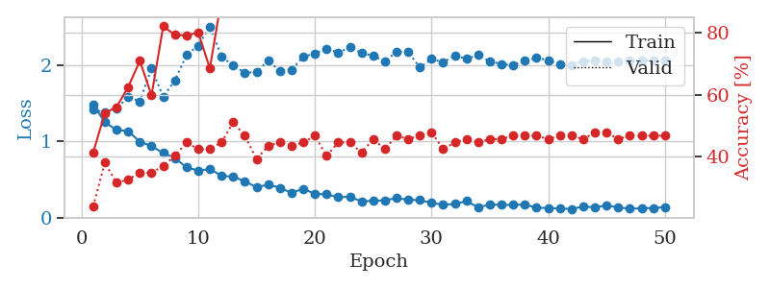
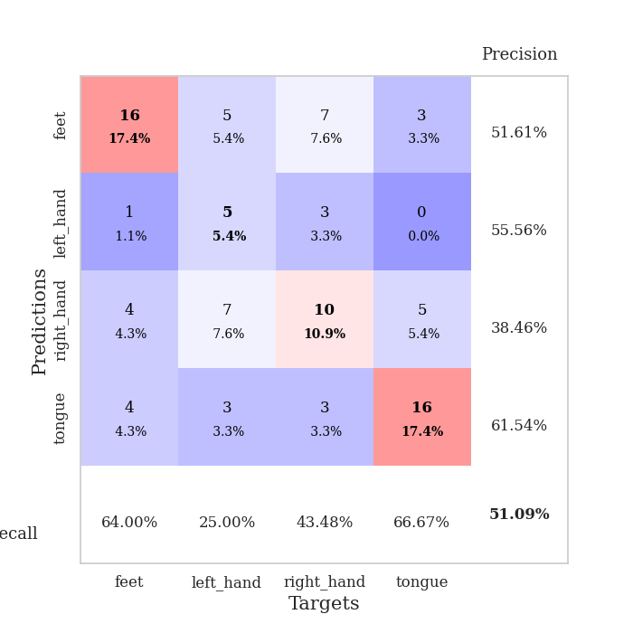
train_loss | valid_loss | train_accuracy | valid_accuracy | dur | train_misclass | valid_misclass
1.4867029553 | 1.4210491595 | 0.41304347826 | 0.23913043478 | 0.082473754883 | 41.304347826 | 23.913043478
1.2532920267 | 1.3832755452 | 0.54076086957 | 0.38043478261 | 0.081786870956 | 54.076086957 | 38.043478261
1.1544435257 | 1.430357026 | 0.5597826087 | 0.3152173913 | 0.079512834549 | 55.97826087 | 31.52173913
1.1350022736 | 1.5865591505 | 0.625 | 0.32608695652 | 0.079206466675 | 62.5 | 32.608695652
0.9979954025 | 1.5264542828 | 0.70923913043 | 0.34782608696 | 0.079416275024 | 70.923913043 | 34.782608696
0.93984121343 | 1.9648465022 | 0.59782608696 | 0.34782608696 | 0.079146385193 | 59.782608696 | 34.782608696
0.84803538219 | 1.5868549762 | 0.82065217391 | 0.36956521739 | 0.079230070114 | 82.065217391 | 36.956521739
0.7834043438 | 1.8027182869 | 0.79347826087 | 0.40217391304 | 0.079252719879 | 79.347826087 | 40.217391304
0.65910263683 | 2.1373440183 | 0.79076086957 | 0.44565217391 | 0.081211090088 | 79.076086957 | 44.565217391
0.61820526486 | 2.2611191221 | 0.80163043478 | 0.42391304348 | 0.079239368439 | 80.163043478 | 42.391304348
0.63669027194 | 2.5138130188 | 0.6847826087 | 0.42391304348 | 0.079326629639 | 68.47826087 | 42.391304348
0.54985815027 | 2.1182133944 | 0.91032608696 | 0.44565217391 | 0.079248428345 | 91.032608696 | 44.565217391
0.53640430259 | 1.9976549563 | 0.91304347826 | 0.51086956522 | 0.079390287399 | 91.304347826 | 51.086956522
0.47667195875 | 1.9070555231 | 0.97282608696 | 0.46739130435 | 0.07948756218 | 97.282608696 | 46.739130435
0.39802263677 | 1.9088751803 | 0.97554347826 | 0.39130434783 | 0.079195737839 | 97.554347826 | 39.130434783
0.43318607885 | 2.0693754165 | 0.94836956522 | 0.4347826087 | 0.079149723053 | 94.836956522 | 43.47826087
0.39251972476 | 1.9247255273 | 0.98369565217 | 0.44565217391 | 0.079298496246 | 98.369565217 | 44.565217391
0.32429127849 | 1.9396777619 | 0.98097826087 | 0.4347826087 | 0.079411268234 | 98.097826087 | 43.47826087
0.37896796219 | 2.1142779692 | 0.98369565217 | 0.44565217391 | 0.079344987869 | 98.369565217 | 44.565217391
0.31087708344 | 2.1579520443 | 0.98641304348 | 0.46739130435 | 0.079195976257 | 98.641304348 | 46.739130435
0.30492622341 | 2.220761408 | 0.94836956522 | 0.40217391304 | 0.079158067703 | 94.836956522 | 40.217391304
0.26667974501 | 2.1696210219 | 0.99456521739 | 0.44565217391 | 0.07922410965 | 99.456521739 | 44.565217391
0.27393646927 | 2.2373294001 | 0.9972826087 | 0.44565217391 | 0.079274177551 | 99.72826087 | 44.565217391
0.21187650348 | 2.1672882204 | 0.9972826087 | 0.41304347826 | 0.079344272614 | 99.72826087 | 41.304347826
0.22090976297 | 2.1265007776 | 1 | 0.45652173913 | 0.079244852066 | 100 | 45.652173913
0.2248936153 | 2.0555915003 | 0.98913043478 | 0.42391304348 | 0.079462528229 | 98.913043478 | 42.391304348
0.25715542617 | 2.1801400029 | 0.99456521739 | 0.46739130435 | 0.079330921173 | 99.456521739 | 46.739130435
0.23285490015 | 2.1796043593 | 0.99456521739 | 0.45652173913 | 0.079296350479 | 99.456521739 | 45.652173913
0.22938338052 | 1.971934925 | 1 | 0.46739130435 | 0.079316854477 | 100 | 46.739130435
0.19186949325 | 2.0857259761 | 1 | 0.47826086957 | 0.079340934753 | 100 | 47.826086957
0.1693374926 | 2.0427627823 | 1 | 0.42391304348 | 0.079238653183 | 100 | 42.391304348
0.17862910032 | 2.1306307264 | 1 | 0.44565217391 | 0.079188346863 | 100 | 44.565217391
0.21660163869 | 2.0857843368 | 1 | 0.45652173913 | 0.0790143013 | 100 | 45.652173913
0.13387139255 | 2.13698199 | 1 | 0.44565217391 | 0.079117059708 | 100 | 44.565217391
0.17137284577 | 2.0542196035 | 1 | 0.45652173913 | 0.07896065712 | 100 | 45.652173913
0.16655932351 | 2.0192071303 | 1 | 0.45652173913 | 0.079452991486 | 100 | 45.652173913
0.16592533271 | 2.004217889 | 1 | 0.46739130435 | 0.079112052917 | 100 | 46.739130435
0.17128301428 | 2.0613014957 | 1 | 0.46739130435 | 0.079246044159 | 100 | 46.739130435
0.12856779102 | 2.0980757786 | 1 | 0.46739130435 | 0.079307317734 | 100 | 46.739130435
0.12594991355 | 2.0711486806 | 1 | 0.45652173913 | 0.079214096069 | 100 | 45.652173913
0.11841464464 | 2.0125336388 | 1 | 0.46739130435 | 0.079277992249 | 100 | 46.739130435
0.11190892205 | 2.0061153277 | 1 | 0.46739130435 | 0.079430103302 | 100 | 46.739130435
0.14485074094 | 2.0572790685 | 1 | 0.45652173913 | 0.079334259033 | 100 | 45.652173913
0.13458023496 | 2.0694962325 | 1 | 0.47826086957 | 0.079358816147 | 100 | 47.826086957
0.15751144436 | 2.0539949459 | 1 | 0.47826086957 | 0.079324007034 | 100 | 47.826086957
0.13385802443 | 2.0551733193 | 1 | 0.45652173913 | 0.079281806946 | 100 | 45.652173913
0.11661186158 | 2.0627728131 | 1 | 0.46739130435 | 0.079329967499 | 100 | 46.739130435
0.12143900407 | 2.0642858795 | 1 | 0.46739130435 | 0.079260587692 | 100 | 46.739130435
0.12581664032 | 2.0641595954 | 1 | 0.46739130435 | 0.079428672791 | 100 | 46.739130435
0.13647309642 | 2.0640595426 | 1 | 0.46739130435 | 0.079246520996 | 100 | 46.739130435

Best Val accuracy is 0.5108695652173914 and Best test accuracy is 0.3793103448275862

Sheet10
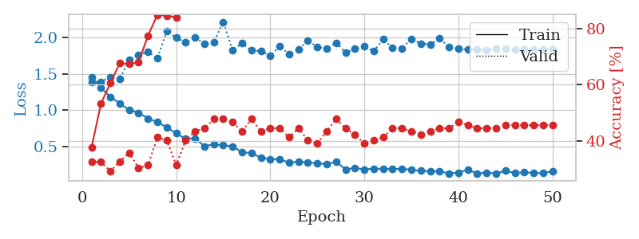
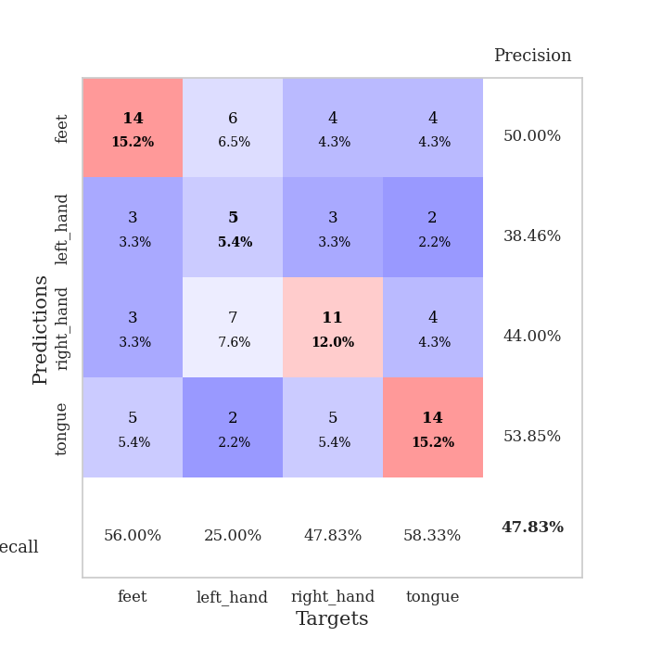
train_loss | valid_loss | train_accuracy | valid_accuracy | dur | train_misclass | valid_misclass
1.4537582449 | 1.3856732068 | 0.3777173913 | 0.32608695652 | 0.079517602921 | 37.77173913 | 32.608695652
1.3111587815 | 1.391099085 | 0.53260869565 | 0.32608695652 | 0.079030513763 | 53.260869565 | 32.608695652
1.1819585717 | 1.4545166389 | 0.60597826087 | 0.29347826087 | 0.079243183136 | 60.597826087 | 29.347826087
1.095255844 | 1.4288226573 | 0.67663043478 | 0.32608695652 | 0.079267501831 | 67.663043478 | 32.608695652
1.0015941988 | 1.6918707049 | 0.67391304348 | 0.35869565217 | 0.078930854797 | 67.391304348 | 35.869565217
0.96496881091 | 1.7579975957 | 0.67934782609 | 0.30434782609 | 0.083729743958 | 67.934782609 | 30.434782609
0.88711424237 | 1.8029966925 | 0.77445652174 | 0.3152173913 | 0.080092668533 | 77.445652174 | 31.52173913
0.83711499235 | 1.7119919476 | 0.84782608696 | 0.41304347826 | 0.080722808838 | 84.782608696 | 41.304347826
0.76480685628 | 2.0884157523 | 0.84510869565 | 0.40217391304 | 0.079850912094 | 84.510869565 | 40.217391304
0.68223295393 | 1.9958499152 | 0.83967391304 | 0.3152173913 | 0.078959226608 | 83.967391304 | 31.52173913
0.60557537882 | 1.9308516876 | 0.90489130435 | 0.40217391304 | 0.079530000687 | 90.489130435 | 40.217391304
0.61533968604 | 2.0014766403 | 0.86413043478 | 0.4347826087 | 0.079157114029 | 86.413043478 | 43.47826087
0.50537723173 | 1.9125436078 | 0.96739130435 | 0.44565217391 | 0.079343557358 | 96.739130435 | 44.565217391
0.53354408365 | 1.9325126513 | 0.92663043478 | 0.47826086957 | 0.079024791718 | 92.663043478 | 47.826086957
0.518096688 | 2.2131526574 | 0.89402173913 | 0.47826086957 | 0.081129789352 | 89.402173913 | 47.826086957
0.50439948945 | 1.8229054731 | 0.97554347826 | 0.46739130435 | 0.081400156021 | 97.554347826 | 46.739130435
0.42104376269 | 1.9225969055 | 0.97554347826 | 0.4347826087 | 0.079498767853 | 97.554347826 | 43.47826087
0.41413005668 | 1.8214727847 | 0.97010869565 | 0.47826086957 | 0.079652070999 | 97.010869565 | 47.826086957
0.34619521641 | 1.8126210337 | 0.97826086957 | 0.4347826087 | 0.079467058182 | 97.826086957 | 43.47826087
0.32930539743 | 1.7470901272 | 0.98641304348 | 0.44565217391 | 0.079757452011 | 98.641304348 | 44.565217391
0.32755488805 | 1.8809868771 | 0.98097826087 | 0.44565217391 | 0.079332590103 | 98.097826087 | 44.565217391
0.2794939082 | 1.7674649021 | 0.9972826087 | 0.41304347826 | 0.079262018204 | 99.72826087 | 41.304347826
0.2929870266 | 1.8332067002 | 0.99184782609 | 0.44565217391 | 0.079408168793 | 99.184782609 | 44.565217391
0.28140442559 | 1.9568499845 | 1 | 0.40217391304 | 0.079232931137 | 100 | 40.217391304
0.2718167765 | 1.8691583457 | 0.9972826087 | 0.39130434783 | 0.079281568527 | 99.72826087 | 39.130434783
0.25885454047 | 1.8432238568 | 0.9972826087 | 0.4347826087 | 0.078995704651 | 99.72826087 | 43.47826087
0.29328887489 | 1.9284799565 | 0.99184782609 | 0.47826086957 | 0.079426050186 | 99.184782609 | 47.826086957
0.18705821653 | 1.7915131113 | 1 | 0.44565217391 | 0.079251050949 | 100 | 44.565217391
0.20573341296 | 1.8417059909 | 1 | 0.42391304348 | 0.07940530777 | 100 | 42.391304348
0.18750885421 | 1.8771865679 | 1 | 0.39130434783 | 0.081380844116 | 100 | 39.130434783
0.19874205764 | 1.8089435152 | 1 | 0.40217391304 | 0.079110145569 | 100 | 40.217391304
0.19343833139 | 1.9771920494 | 0.99456521739 | 0.41304347826 | 0.078880786896 | 99.456521739 | 41.304347826
0.19267152023 | 1.8538146174 | 1 | 0.44565217391 | 0.080518484116 | 100 | 44.565217391
0.19556398917 | 1.85094936 | 1 | 0.44565217391 | 0.079097747803 | 100 | 44.565217391
0.18275318181 | 1.979683508 | 1 | 0.4347826087 | 0.079458236694 | 100 | 43.47826087
0.16708393265 | 1.9168796954 | 1 | 0.42391304348 | 0.079416751862 | 100 | 42.391304348
0.16287016237 | 1.905651077 | 1 | 0.4347826087 | 0.079483747482 | 100 | 43.47826087
0.16138740953 | 1.9889102656 | 1 | 0.44565217391 | 0.079738140106 | 100 | 44.565217391
0.13212309227 | 1.8657490274 | 1 | 0.44565217391 | 0.079655170441 | 100 | 44.565217391
0.1436661115 | 1.8466161075 | 1 | 0.46739130435 | 0.079663515091 | 100 | 46.739130435
0.1825899234 | 1.8331699993 | 1 | 0.45652173913 | 0.079751491547 | 100 | 45.652173913
0.1313632244 | 1.837789323 | 1 | 0.44565217391 | 0.079684495926 | 100 | 44.565217391
0.14440647027 | 1.8254611751 | 1 | 0.44565217391 | 0.079834938049 | 100 | 44.565217391
0.13151153501 | 1.8453253663 | 1 | 0.44565217391 | 0.079620838165 | 100 | 44.565217391
0.16709182638 | 1.8476787806 | 1 | 0.45652173913 | 0.079650878906 | 100 | 45.652173913
0.13629132201 | 1.8387203528 | 1 | 0.45652173913 | 0.079553365707 | 100 | 45.652173913
0.14799236085 | 1.8390851176 | 1 | 0.45652173913 | 0.079709768295 | 100 | 45.652173913
0.13814134831 | 1.8380934985 | 1 | 0.45652173913 | 0.079787492752 | 100 | 45.652173913
0.13586772136 | 1.8386481171 | 1 | 0.45652173913 | 0.079583406448 | 100 | 45.652173913
0.16170713613 | 1.8392923656 | 1 | 0.45652173913 | 0.079699277878 | 100 | 45.652173913

Best Val accuracy is 0.4782608695652174 and Best test accuracy is 0.46551724137931033

