Sheet
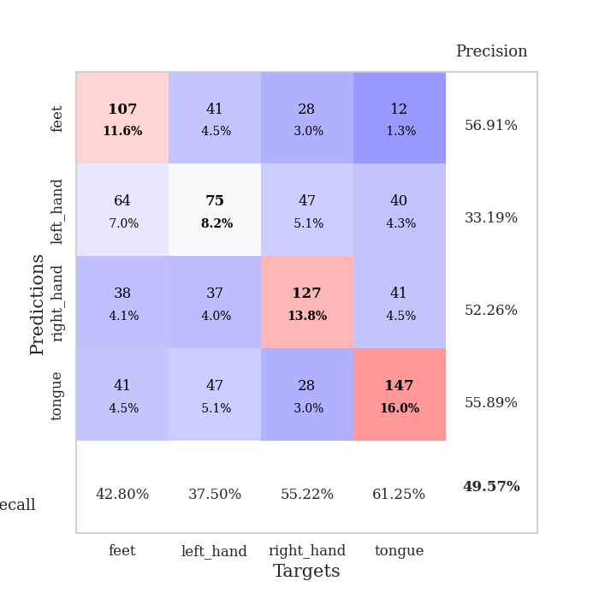
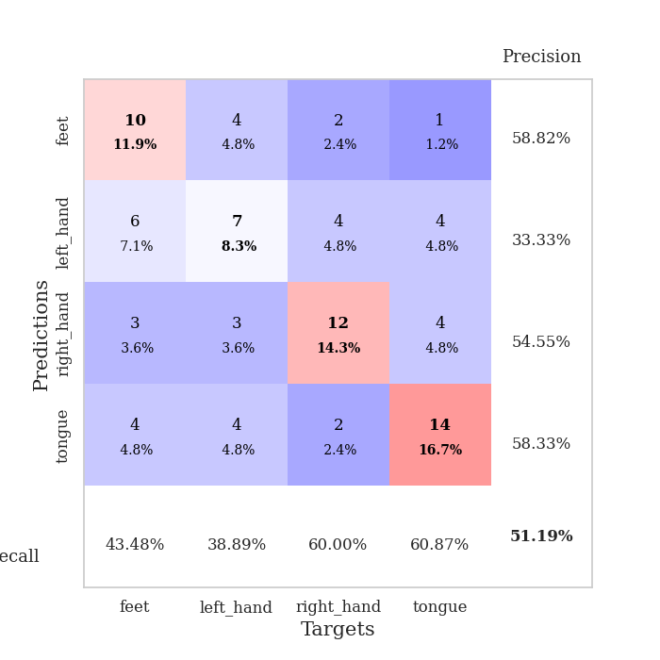
best_val_acc | best_val_los | best_test_acc
0.57608695652 | 1.4018622118 | 0.52586206897
0.52173913043 | 1.3439858115 | 0.49137931034
0.5 | 1.3822896221 | 0.37931034483
0.48913043478 | 1.3740157459 | 0.39655172414
0.51086956522 | 1.3876874188 | 0.41379310345
0.46739130435 | 1.3653686928 | 0.39655172414
0.46739130435 | 1.3464125602 | 0.4224137931
0.51086956522 | 1.4130722336 | 0.44827586207
0.46739130435 | 1.3103539166 | 0.35344827586
0.44565217391 | 1.3427902667 | 0.4224137931

Mean,std Val accuracy is 0.49565217391304356 , 0.037373324516601816 and mean, std test accuracy is 0.425 , 0.05173211943527627

Sheet1
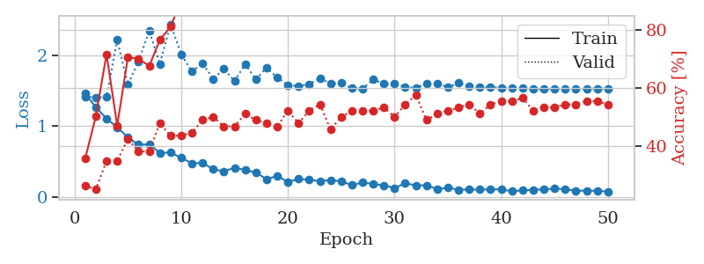
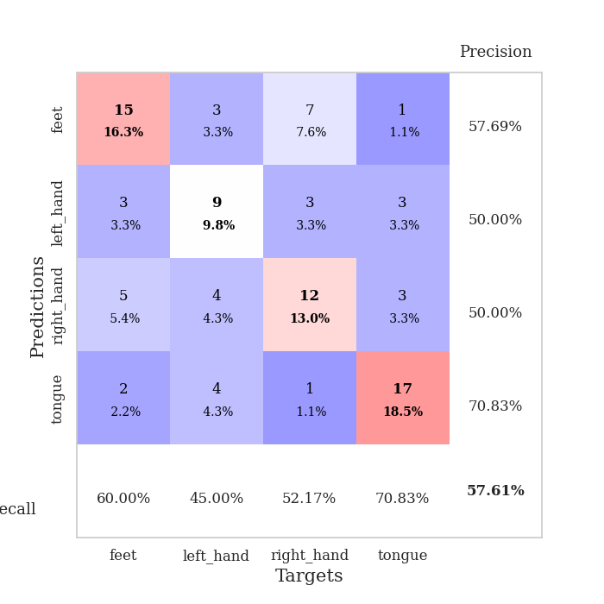
train_loss | valid_loss | train_accuracy | valid_accuracy | dur | train_misclass | valid_misclass
1.4549825762 | 1.4137335912 | 0.35597826087 | 0.26086956522 | 0.081702470779 | 35.597826087 | 26.086956522
1.2635029658 | 1.4018622118 | 0.5027173913 | 0.25 | 0.079813957214 | 50.27173913 | 25
1.1038668752 | 1.4088332912 | 0.71739130435 | 0.34782608696 | 0.079419136047 | 71.739130435 | 34.782608696
0.98071928387 | 2.2145751456 | 0.47010869565 | 0.34782608696 | 0.079681873322 | 47.010869565 | 34.782608696
0.83608394343 | 1.5844934712 | 0.70652173913 | 0.42391304348 | 0.07953953743 | 70.652173913 | 42.391304348
0.73583874625 | 1.9139400513 | 0.70108695652 | 0.38043478261 | 0.079819440842 | 70.108695652 | 38.043478261
0.73875924556 | 2.3416322936 | 0.67663043478 | 0.38043478261 | 0.07929444313 | 67.663043478 | 38.043478261
0.62035048526 | 1.8769533634 | 0.76630434783 | 0.47826086957 | 0.082249164581 | 76.630434783 | 47.826086957
0.62420145973 | 2.4361102374 | 0.8125 | 0.4347826087 | 0.080274820328 | 81.25 | 43.47826087
0.5507900974 | 2.0121680135 | 0.90217391304 | 0.4347826087 | 0.079513788223 | 90.217391304 | 43.47826087
0.47132428314 | 1.7657747424 | 0.91304347826 | 0.44565217391 | 0.079642772675 | 91.304347826 | 44.565217391
0.47939023052 | 1.8846544597 | 0.96467391304 | 0.48913043478 | 0.079532384872 | 96.467391304 | 48.913043478
0.38707342031 | 1.6645734777 | 0.98097826087 | 0.5 | 0.080015420914 | 98.097826087 | 50
0.35905474262 | 1.804249297 | 0.9347826087 | 0.46739130435 | 0.079536437988 | 93.47826087 | 46.739130435
0.40983536775 | 1.6337387665 | 0.94293478261 | 0.46739130435 | 0.079263448715 | 94.293478261 | 46.739130435
0.37642133301 | 1.8718836048 | 0.98097826087 | 0.51086956522 | 0.079889059067 | 98.097826087 | 51.086956522
0.3438253163 | 1.6578566458 | 0.98913043478 | 0.48913043478 | 0.080083847046 | 98.913043478 | 48.913043478
0.24810250395 | 1.8233703116 | 0.94836956522 | 0.47826086957 | 0.079549312592 | 94.836956522 | 47.826086957
0.29450878695 | 1.6810772626 | 0.98369565217 | 0.46739130435 | 0.079683303833 | 98.369565217 | 46.739130435
0.20813064439 | 1.576108777 | 0.98913043478 | 0.52173913043 | 0.079764127731 | 98.913043478 | 52.173913043
0.25128916748 | 1.5619818905 | 0.99184782609 | 0.47826086957 | 0.080122947693 | 99.184782609 | 47.826086957
0.24077419224 | 1.5887848502 | 0.9972826087 | 0.52173913043 | 0.079745531082 | 99.72826087 | 52.173913043
0.21941498084 | 1.6728717348 | 0.98913043478 | 0.54347826087 | 0.079815864563 | 98.913043478 | 54.347826087
0.23530823802 | 1.5988060806 | 0.99456521739 | 0.45652173913 | 0.080354452133 | 99.456521739 | 45.652173913
0.21772489146 | 1.6059088603 | 1 | 0.5 | 0.079819917679 | 100 | 50
0.16350775795 | 1.5301374871 | 1 | 0.52173913043 | 0.079943656921 | 100 | 52.173913043
0.20089947141 | 1.5254669345 | 0.99456521739 | 0.52173913043 | 0.079718351364 | 99.456521739 | 52.173913043
0.18000599337 | 1.655545017 | 1 | 0.52173913043 | 0.079673051834 | 100 | 52.173913043
0.1617656091 | 1.592752125 | 1 | 0.53260869565 | 0.079624652863 | 100 | 53.260869565
0.12227353761 | 1.603587814 | 0.9972826087 | 0.5 | 0.07993888855 | 99.72826087 | 50
0.19134169299 | 1.5496707066 | 1 | 0.54347826087 | 0.080099821091 | 100 | 54.347826087
0.16003029016 | 1.5386511658 | 0.9972826087 | 0.57608695652 | 0.079943656921 | 99.72826087 | 57.608695652
0.16073565979 | 1.5976742454 | 1 | 0.48913043478 | 0.080152273178 | 100 | 48.913043478
0.10833503516 | 1.6024991015 | 1 | 0.51086956522 | 0.08082485199 | 100 | 51.086956522
0.12506155532 | 1.5470000557 | 1 | 0.52173913043 | 0.079671144485 | 100 | 52.173913043
0.099557130719 | 1.6054112497 | 1 | 0.53260869565 | 0.079669475555 | 100 | 53.260869565
0.10265817995 | 1.5655721063 | 1 | 0.54347826087 | 0.079659700394 | 100 | 54.347826087
0.10022192894 | 1.5415918309 | 1 | 0.51086956522 | 0.079725027084 | 100 | 51.086956522
0.10354559067 | 1.5486755682 | 1 | 0.54347826087 | 0.079934835434 | 100 | 54.347826087
0.10451779361 | 1.5398326853 | 1 | 0.55434782609 | 0.082571029663 | 100 | 55.434782609
0.075948536639 | 1.5359320848 | 1 | 0.55434782609 | 0.079565525055 | 100 | 55.434782609
0.090864878553 | 1.5295193921 | 1 | 0.5652173913 | 0.079820871353 | 100 | 56.52173913
0.095649859504 | 1.5198191767 | 1 | 0.52173913043 | 0.080852031708 | 100 | 52.173913043
0.10557429582 | 1.5173124438 | 1 | 0.53260869565 | 0.080229997635 | 100 | 53.260869565
0.11283125315 | 1.5258319378 | 1 | 0.53260869565 | 0.080065965652 | 100 | 53.260869565
0.10850599441 | 1.522534246 | 1 | 0.54347826087 | 0.079919815063 | 100 | 54.347826087
0.084493689441 | 1.5235021218 | 1 | 0.54347826087 | 0.079813241959 | 100 | 54.347826087
0.086895168314 | 1.5254130156 | 1 | 0.55434782609 | 0.080070018768 | 100 | 55.434782609
0.083147687635 | 1.5268480259 | 1 | 0.55434782609 | 0.079870939255 | 100 | 55.434782609
0.072338713981 | 1.5275402276 | 1 | 0.54347826087 | 0.079628229141 | 100 | 54.347826087

Best Val accuracy is 0.5760869565217391 and Best test accuracy is 0.5258620689655172

Sheet2
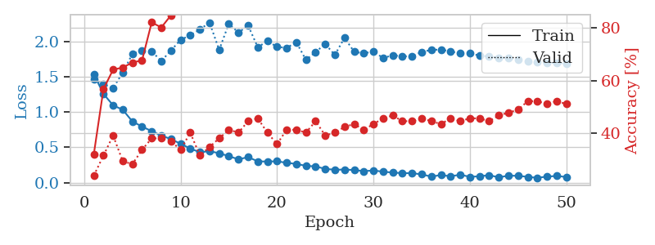
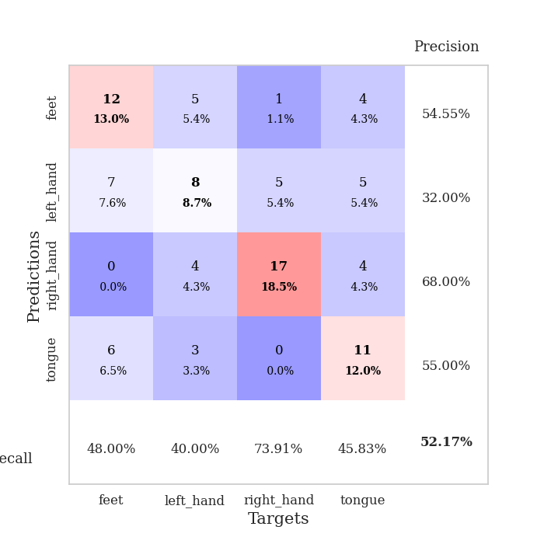
train_loss | valid_loss | train_accuracy | valid_accuracy | dur | train_misclass | valid_misclass
1.54056023 | 1.4641211292 | 0.32065217391 | 0.23913043478 | 0.079855680466 | 32.065217391 | 23.913043478
1.2605146532 | 1.3952754321 | 0.56793478261 | 0.3152173913 | 0.079191446304 | 56.793478261 | 31.52173913
1.0978741335 | 1.3439858115 | 0.64130434783 | 0.39130434783 | 0.078864097595 | 64.130434783 | 39.130434783
1.0344742562 | 1.5626897138 | 0.64945652174 | 0.29347826087 | 0.078481674194 | 64.945652174 | 29.347826087
0.86830265367 | 1.8298025753 | 0.66847826087 | 0.28260869565 | 0.07918715477 | 66.847826087 | 28.260869565
0.79582982478 | 1.8751624771 | 0.67663043478 | 0.33695652174 | 0.079243421555 | 67.663043478 | 33.695652174
0.73027028726 | 1.864600477 | 0.82065217391 | 0.38043478261 | 0.079292058945 | 82.065217391 | 38.043478261
0.66797854849 | 1.7280855179 | 0.80163043478 | 0.38043478261 | 0.079067468643 | 80.163043478 | 38.043478261
0.61834638663 | 1.8773047717 | 0.84782608696 | 0.36956521739 | 0.079005479813 | 84.782608696 | 36.956521739
0.55073755332 | 2.0283710542 | 0.875 | 0.33695652174 | 0.078805446625 | 87.5 | 33.695652174
0.48367425994 | 2.0942190212 | 0.89130434783 | 0.40217391304 | 0.079061508179 | 89.130434783 | 40.217391304
0.43054618978 | 2.1756273612 | 0.92934782609 | 0.3152173913 | 0.079701423645 | 92.934782609 | 31.52173913
0.44603950304 | 2.2753950928 | 0.91847826087 | 0.34782608696 | 0.079367160797 | 91.847826087 | 34.782608696
0.41665979961 | 1.8847732596 | 0.9402173913 | 0.38043478261 | 0.081667900085 | 94.02173913 | 38.043478261
0.37552894069 | 2.2588042021 | 0.97554347826 | 0.41304347826 | 0.079380512238 | 97.554347826 | 41.304347826
0.32985120688 | 2.1310376447 | 0.96195652174 | 0.40217391304 | 0.079447507858 | 96.195652174 | 40.217391304
0.36156816003 | 2.2326819638 | 0.98641304348 | 0.44565217391 | 0.079221725464 | 98.641304348 | 44.565217391
0.30198159036 | 1.9239857508 | 0.99456521739 | 0.45652173913 | 0.079607486725 | 99.456521739 | 45.652173913
0.29812780476 | 2.0099183787 | 0.98369565217 | 0.40217391304 | 0.079787492752 | 98.369565217 | 40.217391304
0.30251775812 | 1.9298006711 | 0.99456521739 | 0.35869565217 | 0.080404043198 | 99.456521739 | 35.869565217
0.28017148797 | 1.9130837606 | 0.99456521739 | 0.41304347826 | 0.079231500626 | 99.456521739 | 41.304347826
0.26486751923 | 1.9961161873 | 0.99456521739 | 0.41304347826 | 0.079013824463 | 99.456521739 | 41.304347826
0.23795164603 | 1.74278577 | 1 | 0.40217391304 | 0.079248905182 | 100 | 40.217391304
0.22913999937 | 1.8558261032 | 0.99184782609 | 0.44565217391 | 0.079198360443 | 99.184782609 | 44.565217391
0.19461896141 | 1.9689399004 | 1 | 0.39130434783 | 0.078978061676 | 100 | 39.130434783
0.18183069482 | 1.8138929398 | 1 | 0.40217391304 | 0.079199075699 | 100 | 40.217391304
0.1851044145 | 2.0582886105 | 1 | 0.42391304348 | 0.079319238663 | 100 | 42.391304348
0.17817071599 | 1.8585668699 | 1 | 0.4347826087 | 0.078794240952 | 100 | 43.47826087
0.16239953948 | 1.8372096549 | 1 | 0.41304347826 | 0.078971624374 | 100 | 41.304347826
0.17164723429 | 1.8621090184 | 1 | 0.4347826087 | 0.07906794548 | 100 | 43.47826087
0.15451206688 | 1.7704154357 | 0.9972826087 | 0.45652173913 | 0.078842639923 | 99.72826087 | 45.652173913
0.14194667558 | 1.8095115942 | 0.9972826087 | 0.46739130435 | 0.079860210419 | 99.72826087 | 46.739130435
0.13393029101 | 1.7943395169 | 0.99456521739 | 0.44565217391 | 0.084530353546 | 99.456521739 | 44.565217391
0.13313839366 | 1.7953008154 | 1 | 0.44565217391 | 0.07998418808 | 100 | 44.565217391
0.11686551603 | 1.8565356887 | 1 | 0.45652173913 | 0.08190703392 | 100 | 45.652173913
0.084234475482 | 1.8852462924 | 1 | 0.44565217391 | 0.080593824387 | 100 | 44.565217391
0.10708423752 | 1.8909347524 | 1 | 0.4347826087 | 0.079967498779 | 100 | 43.47826087
0.08840396482 | 1.8644302617 | 1 | 0.45652173913 | 0.079716682434 | 100 | 45.652173913
0.11182195272 | 1.8360416008 | 1 | 0.44565217391 | 0.079618453979 | 100 | 44.565217391
0.081236566619 | 1.8392498234 | 1 | 0.45652173913 | 0.079840898514 | 100 | 45.652173913
0.089248604344 | 1.8033389579 | 1 | 0.45652173913 | 0.0797290802 | 100 | 45.652173913
0.10464189866 | 1.791575183 | 1 | 0.44565217391 | 0.079641819 | 100 | 44.565217391
0.074239487881 | 1.7719396767 | 1 | 0.46739130435 | 0.079838991165 | 100 | 46.739130435
0.097812733087 | 1.771143255 | 1 | 0.47826086957 | 0.079661130905 | 100 | 47.826086957
0.095848273486 | 1.7450007148 | 1 | 0.48913043478 | 0.080758094788 | 100 | 48.913043478
0.081067973586 | 1.7250852792 | 1 | 0.52173913043 | 0.080914497375 | 100 | 52.173913043
0.067161352455 | 1.7137803047 | 1 | 0.52173913043 | 0.080910682678 | 100 | 52.173913043
0.084700867372 | 1.7040843134 | 1 | 0.51086956522 | 0.080679178238 | 100 | 51.086956522
0.093500460943 | 1.6980461971 | 1 | 0.52173913043 | 0.080085754395 | 100 | 52.173913043
0.079390587609 | 1.6923167965 | 1 | 0.51086956522 | 0.079454183578 | 100 | 51.086956522

Best Val accuracy is 0.5217391304347826 and Best test accuracy is 0.49137931034482757

Sheet3
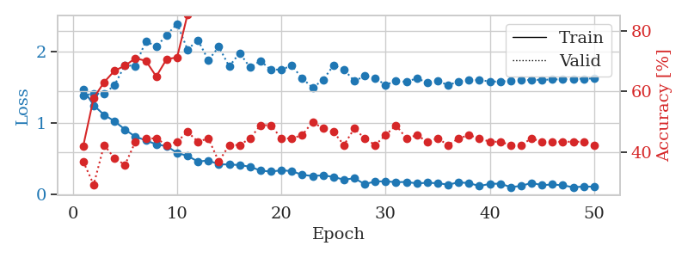
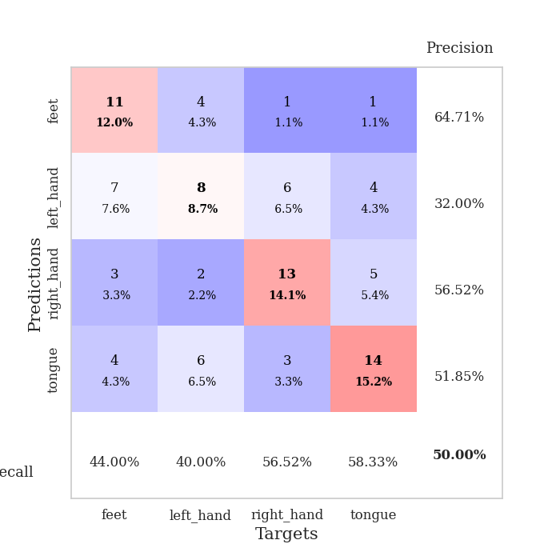
train_loss | valid_loss | train_accuracy | valid_accuracy | dur | train_misclass | valid_misclass
1.4701241877 | 1.3822896221 | 0.42119565217 | 0.36956521739 | 0.080365180969 | 42.119565217 | 36.956521739
1.245653707 | 1.4107447863 | 0.57880434783 | 0.29347826087 | 0.07940030098 | 57.880434783 | 29.347826087
1.1137613732 | 1.4058845354 | 0.63043478261 | 0.42391304348 | 0.079424858093 | 63.043478261 | 42.391304348
1.0248773513 | 1.5286865545 | 0.66847826087 | 0.38043478261 | 0.079896450043 | 66.847826087 | 38.043478261
0.90877969887 | 1.8080071626 | 0.6847826087 | 0.35869565217 | 0.079271554947 | 68.47826087 | 35.869565217
0.80846576198 | 1.7927080393 | 0.70923913043 | 0.4347826087 | 0.079303741455 | 70.923913043 | 43.47826087
0.75909229724 | 2.1439088479 | 0.70108695652 | 0.44565217391 | 0.079403162003 | 70.108695652 | 44.565217391
0.70129897024 | 2.0633443698 | 0.64945652174 | 0.44565217391 | 0.079708576202 | 64.945652174 | 44.565217391
0.67825920945 | 2.2239501424 | 0.70652173913 | 0.42391304348 | 0.079204797745 | 70.652173913 | 42.391304348
0.58367637318 | 2.3849124235 | 0.71195652174 | 0.4347826087 | 0.079342126846 | 71.195652174 | 43.47826087
0.54175906078 | 2.0235512101 | 0.85326086957 | 0.46739130435 | 0.079746007919 | 85.326086957 | 46.739130435
0.46315655371 | 2.1571831081 | 0.86413043478 | 0.4347826087 | 0.080451488495 | 86.413043478 | 43.47826087
0.47721742418 | 1.8743572339 | 0.89402173913 | 0.44565217391 | 0.079714298248 | 89.402173913 | 44.565217391
0.42365975484 | 2.0625621806 | 0.91032608696 | 0.36956521739 | 0.079541921616 | 91.032608696 | 36.956521739
0.42226041983 | 1.7884763998 | 0.96467391304 | 0.42391304348 | 0.079539060593 | 96.467391304 | 42.391304348
0.41336201714 | 1.9762111954 | 0.9402173913 | 0.42391304348 | 0.079523086548 | 94.02173913 | 42.391304348
0.390466267 | 1.7742510412 | 0.99184782609 | 0.44565217391 | 0.0794672966 | 99.184782609 | 44.565217391
0.33691729152 | 1.8671879717 | 0.95108695652 | 0.48913043478 | 0.079516649246 | 95.108695652 | 48.913043478
0.32288789393 | 1.740049782 | 0.98097826087 | 0.48913043478 | 0.07981967926 | 98.097826087 | 48.913043478
0.34084927193 | 1.7476344834 | 0.97010869565 | 0.44565217391 | 0.079564809799 | 97.010869565 | 44.565217391
0.32927658798 | 1.79768341 | 0.96739130435 | 0.44565217391 | 0.079409599304 | 96.739130435 | 44.565217391
0.27727911978 | 1.6243108407 | 0.9972826087 | 0.45652173913 | 0.079474210739 | 99.72826087 | 45.652173913
0.26128242878 | 1.4908517806 | 0.9972826087 | 0.5 | 0.07932806015 | 99.72826087 | 50
0.27107576767 | 1.6006971805 | 0.99456521739 | 0.47826086957 | 0.079695224762 | 99.456521739 | 47.826086957
0.24798192068 | 1.8025493777 | 0.98913043478 | 0.46739130435 | 0.079508543015 | 98.913043478 | 46.739130435
0.21011476802 | 1.7479344036 | 0.99184782609 | 0.42391304348 | 0.079686641693 | 99.184782609 | 42.391304348
0.22958896698 | 1.5836808526 | 0.9972826087 | 0.47826086957 | 0.079662561417 | 99.72826087 | 47.826086957
0.14847937955 | 1.6556847044 | 1 | 0.44565217391 | 0.080487728119 | 100 | 44.565217391
0.18441804288 | 1.6218028224 | 1 | 0.42391304348 | 0.079862594604 | 100 | 42.391304348
0.18774356304 | 1.5325768927 | 1 | 0.45652173913 | 0.079244613647 | 100 | 45.652173913
0.17469123152 | 1.5852215549 | 0.99456521739 | 0.48913043478 | 0.079776287079 | 99.456521739 | 48.913043478
0.17885570649 | 1.5743264426 | 1 | 0.44565217391 | 0.079558849335 | 100 | 44.565217391
0.15741153061 | 1.623184541 | 0.9972826087 | 0.45652173913 | 0.079448461533 | 99.72826087 | 45.652173913
0.16733872858 | 1.5633946865 | 1 | 0.4347826087 | 0.079555034637 | 100 | 43.47826087
0.16054579356 | 1.5907714574 | 1 | 0.44565217391 | 0.079295396805 | 100 | 44.565217391
0.14046473817 | 1.5256606859 | 1 | 0.42391304348 | 0.079287290573 | 100 | 42.391304348
0.17247416079 | 1.5813660673 | 1 | 0.44565217391 | 0.07908821106 | 100 | 44.565217391
0.16257808843 | 1.5982155022 | 1 | 0.45652173913 | 0.079745531082 | 100 | 45.652173913
0.12069107872 | 1.5973101336 | 1 | 0.44565217391 | 0.079617738724 | 100 | 44.565217391
0.15169888378 | 1.5801101146 | 1 | 0.4347826087 | 0.081626653671 | 100 | 43.47826087
0.15447216343 | 1.5758684666 | 1 | 0.4347826087 | 0.079496145248 | 100 | 43.47826087
0.10632330519 | 1.5900793542 | 1 | 0.42391304348 | 0.079669952393 | 100 | 42.391304348
0.12253259843 | 1.5966924947 | 1 | 0.42391304348 | 0.079549074173 | 100 | 42.391304348
0.16548612082 | 1.6009657435 | 1 | 0.44565217391 | 0.07955121994 | 100 | 44.565217391
0.13314892951 | 1.6027729252 | 1 | 0.4347826087 | 0.079574584961 | 100 | 43.47826087
0.14299832195 | 1.6058992147 | 1 | 0.4347826087 | 0.079580545425 | 100 | 43.47826087
0.13125086138 | 1.6111236085 | 1 | 0.4347826087 | 0.079806089401 | 100 | 43.47826087
0.10411755773 | 1.614766038 | 1 | 0.4347826087 | 0.079477548599 | 100 | 43.47826087
0.1143882384 | 1.6175597232 | 1 | 0.4347826087 | 0.079308509827 | 100 | 43.47826087
0.11174750134 | 1.6208292246 | 1 | 0.42391304348 | 0.079364061356 | 100 | 42.391304348

Best Val accuracy is 0.5 and Best test accuracy is 0.3793103448275862

Sheet4
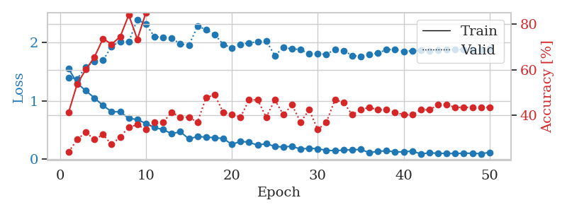
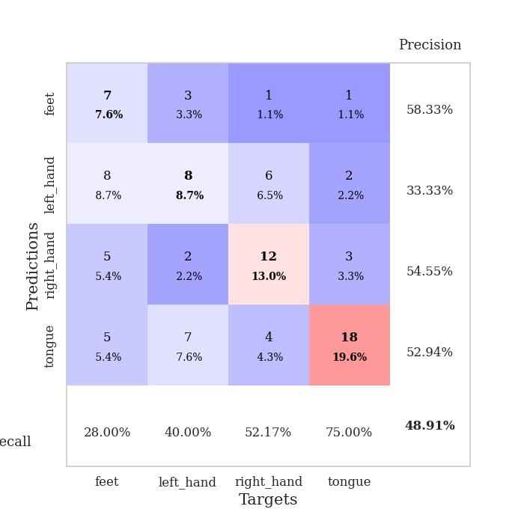
train_loss | valid_loss | train_accuracy | valid_accuracy | dur | train_misclass | valid_misclass
1.5467908901 | 1.3970483852 | 0.41304347826 | 0.23913043478 | 0.079941034317 | 41.304347826 | 23.913043478
1.2988116534 | 1.3740157459 | 0.53804347826 | 0.29347826087 | 0.079181909561 | 53.804347826 | 29.347826087
1.1704433249 | 1.572397315 | 0.60054347826 | 0.32608695652 | 0.081401109695 | 60.054347826 | 32.608695652
1.0483617394 | 1.6735794855 | 0.65489130435 | 0.29347826087 | 0.085930347443 | 65.489130435 | 29.347826087
0.91868763125 | 1.6890629271 | 0.73641304348 | 0.3152173913 | 0.079801797867 | 73.641304348 | 31.52173913
0.81184144383 | 1.928183001 | 0.71195652174 | 0.27173913043 | 0.07901597023 | 71.195652174 | 27.173913043
0.80941672947 | 2.0140526813 | 0.74456521739 | 0.30434782609 | 0.079046964645 | 74.456521739 | 30.434782609
0.69895314911 | 2.0049405927 | 0.83967391304 | 0.34782608696 | 0.078907489777 | 83.967391304 | 34.782608696
0.67854170307 | 2.3886171476 | 0.73369565217 | 0.35869565217 | 0.079045295715 | 73.369565217 | 35.869565217
0.61024646915 | 2.3057936793 | 0.85054347826 | 0.33695652174 | 0.078994512558 | 85.054347826 | 33.695652174
0.54411895962 | 2.0926644906 | 0.91847826087 | 0.36956521739 | 0.078750371933 | 91.847826087 | 36.956521739
0.50587027617 | 2.0848364364 | 0.91576086957 | 0.36956521739 | 0.079994440079 | 91.576086957 | 36.956521739
0.43808009443 | 2.0678444272 | 0.91847826087 | 0.41304347826 | 0.084807157516 | 91.847826087 | 41.304347826
0.47025640892 | 1.9698362921 | 0.93206521739 | 0.39130434783 | 0.088510274887 | 93.206521739 | 39.130434783
0.3486499524 | 1.9489703956 | 0.94565217391 | 0.39130434783 | 0.084436178207 | 94.565217391 | 39.130434783
0.38816854034 | 2.2697569754 | 0.96195652174 | 0.36956521739 | 0.090408802032 | 96.195652174 | 36.956521739
0.37876895524 | 2.2181992116 | 0.95652173913 | 0.47826086957 | 0.088193893433 | 95.652173913 | 47.826086957
0.36845127007 | 2.1309258627 | 0.97282608696 | 0.48913043478 | 0.079928636551 | 97.282608696 | 48.913043478
0.35510823195 | 1.9618097129 | 0.97010869565 | 0.41304347826 | 0.079624891281 | 97.010869565 | 41.304347826
0.25287999342 | 1.9039645765 | 0.96739130435 | 0.40217391304 | 0.079463005066 | 96.739130435 | 40.217391304
0.30672153636 | 1.9649434867 | 0.98641304348 | 0.39130434783 | 0.079468011856 | 98.641304348 | 39.130434783
0.29015952737 | 1.9874711503 | 0.99456521739 | 0.46739130435 | 0.079343080521 | 99.456521739 | 46.739130435
0.24011050489 | 2.0060731795 | 0.9972826087 | 0.46739130435 | 0.079379320145 | 99.72826087 | 46.739130435
0.26822531742 | 2.022372987 | 0.98913043478 | 0.39130434783 | 0.079273700714 | 98.913043478 | 39.130434783
0.21770533693 | 1.7726771313 | 0.9972826087 | 0.46739130435 | 0.079212427139 | 99.72826087 | 46.739130435
0.21095693759 | 1.9058981149 | 0.9972826087 | 0.40217391304 | 0.078989744186 | 99.72826087 | 40.217391304
0.22221016301 | 1.887656896 | 1 | 0.44565217391 | 0.079122304916 | 100 | 44.565217391
0.17246764218 | 1.872015103 | 1 | 0.36956521739 | 0.079212427139 | 100 | 36.956521739
0.18854759974 | 1.8053061496 | 1 | 0.42391304348 | 0.079616308212 | 100 | 42.391304348
0.1783818737 | 1.7978271609 | 1 | 0.33695652174 | 0.079152822495 | 100 | 33.695652174
0.15357880262 | 1.7957061011 | 1 | 0.36956521739 | 0.079425573349 | 100 | 36.956521739
0.14678348941 | 1.871173273 | 1 | 0.46739130435 | 0.079549312592 | 100 | 46.739130435
0.1564761925 | 1.8570451996 | 0.9972826087 | 0.45652173913 | 0.079437732697 | 99.72826087 | 45.652173913
0.16180962114 | 1.7726278772 | 1 | 0.40217391304 | 0.08503818512 | 100 | 40.217391304
0.1676593763 | 1.758876588 | 1 | 0.42391304348 | 0.094989299774 | 100 | 42.391304348
0.11205853117 | 1.7941724891 | 1 | 0.4347826087 | 0.08149933815 | 100 | 43.47826087
0.13389819877 | 1.81529991 | 1 | 0.42391304348 | 0.080541133881 | 100 | 42.391304348
0.14564457341 | 1.8715934909 | 1 | 0.42391304348 | 0.081163644791 | 100 | 42.391304348
0.12482614394 | 1.8769808386 | 1 | 0.41304347826 | 0.079694747925 | 100 | 41.304347826
0.12600563742 | 1.8439757513 | 1 | 0.40217391304 | 0.079628944397 | 100 | 40.217391304
0.13965840674 | 1.8531337147 | 1 | 0.40217391304 | 0.079695224762 | 100 | 40.217391304
0.091929394185 | 1.857626832 | 1 | 0.42391304348 | 0.079397439957 | 100 | 42.391304348
0.10810395585 | 1.8570681396 | 1 | 0.42391304348 | 0.079971313477 | 100 | 42.391304348
0.10303651667 | 1.8629643399 | 1 | 0.44565217391 | 0.080061197281 | 100 | 44.565217391
0.098437827161 | 1.8698701807 | 1 | 0.44565217391 | 0.080330610275 | 100 | 44.565217391
0.097872125066 | 1.8754688605 | 1 | 0.4347826087 | 0.079808712006 | 100 | 43.47826087
0.10268943469 | 1.8749733956 | 1 | 0.4347826087 | 0.079925298691 | 100 | 43.47826087
0.10265805694 | 1.8794517102 | 1 | 0.4347826087 | 0.080076217651 | 100 | 43.47826087
0.09393357113 | 1.8815718993 | 1 | 0.4347826087 | 0.08003950119 | 100 | 43.47826087
0.11807804895 | 1.883378345 | 1 | 0.4347826087 | 0.080033063889 | 100 | 43.47826087

Best Val accuracy is 0.4891304347826087 and Best test accuracy is 0.39655172413793105

Sheet5
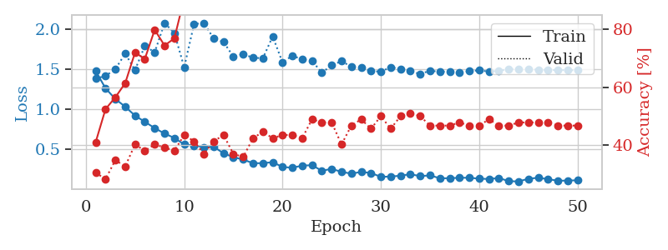
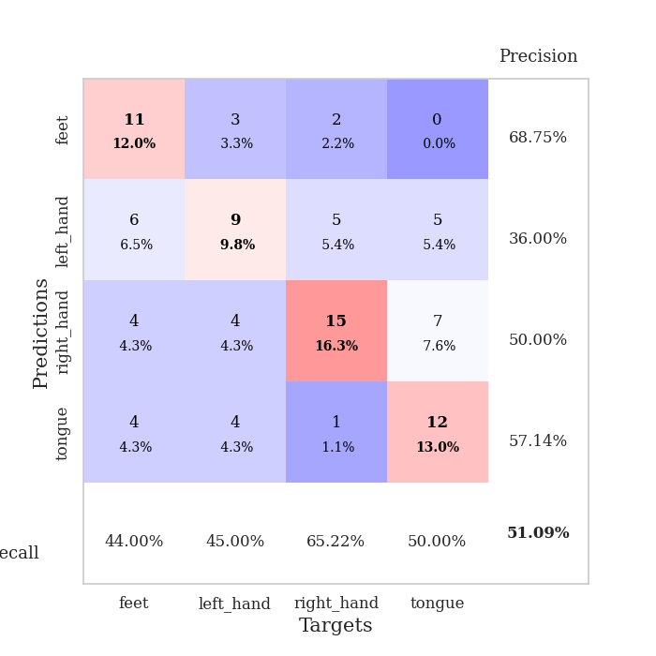
train_loss | valid_loss | train_accuracy | valid_accuracy | dur | train_misclass | valid_misclass
1.4813286429 | 1.3876874188 | 0.41032608696 | 0.30434782609 | 0.080288410187 | 41.032608696 | 30.434782609
1.2646654015 | 1.4178641827 | 0.52445652174 | 0.28260869565 | 0.079252243042 | 52.445652174 | 28.260869565
1.13103914 | 1.5056212933 | 0.5652173913 | 0.34782608696 | 0.079110622406 | 56.52173913 | 34.782608696
1.0350232435 | 1.6977472046 | 0.61413043478 | 0.32608695652 | 0.079324245453 | 61.413043478 | 32.608695652
0.92317031777 | 1.4928082901 | 0.72010869565 | 0.40217391304 | 0.079377174377 | 72.010869565 | 40.217391304
0.84560105593 | 1.79565311 | 0.69836956522 | 0.38043478261 | 0.079696893692 | 69.836956522 | 38.043478261
0.76764230236 | 1.7140849621 | 0.79891304348 | 0.40217391304 | 0.079404592514 | 79.891304348 | 40.217391304
0.69955918582 | 2.0820921659 | 0.74456521739 | 0.39130434783 | 0.079442024231 | 74.456521739 | 39.130434783
0.64439134624 | 1.9558395147 | 0.76902173913 | 0.38043478261 | 0.07937502861 | 76.902173913 | 38.043478261
0.56327312796 | 1.5273040533 | 0.90760869565 | 0.4347826087 | 0.079411029816 | 90.760869565 | 43.47826087
0.54819437149 | 2.0667889326 | 0.86956521739 | 0.41304347826 | 0.079637289047 | 86.956521739 | 41.304347826
0.52997211399 | 2.0816942039 | 0.88315217391 | 0.36956521739 | 0.07973074913 | 88.315217391 | 36.956521739
0.53471263854 | 1.8860826078 | 0.88858695652 | 0.41304347826 | 0.079498529434 | 88.858695652 | 41.304347826
0.4519285605 | 1.844699984 | 0.92391304348 | 0.4347826087 | 0.079744577408 | 92.391304348 | 43.47826087
0.40432969319 | 1.6602702193 | 0.94836956522 | 0.36956521739 | 0.079823970795 | 94.836956522 | 36.956521739
0.37385789661 | 1.6908422812 | 0.97010869565 | 0.35869565217 | 0.079688310623 | 97.010869565 | 35.869565217
0.32861049408 | 1.6480485512 | 0.98641304348 | 0.42391304348 | 0.079345226288 | 98.641304348 | 42.391304348
0.32883435034 | 1.6397289141 | 0.98097826087 | 0.44565217391 | 0.079530477524 | 98.097826087 | 44.565217391
0.34175308956 | 1.9140538288 | 0.95380434783 | 0.42391304348 | 0.07976603508 | 95.380434783 | 42.391304348
0.28098106125 | 1.5871573531 | 0.98641304348 | 0.4347826087 | 0.079463243484 | 98.641304348 | 43.47826087
0.27218322197 | 1.6741583192 | 0.98913043478 | 0.4347826087 | 0.07980132103 | 98.913043478 | 43.47826087
0.29800157346 | 1.624517757 | 0.99184782609 | 0.42391304348 | 0.079638242722 | 99.184782609 | 42.391304348
0.30384547782 | 1.610620027 | 0.99456521739 | 0.48913043478 | 0.079641819 | 99.456521739 | 48.913043478
0.23363041651 | 1.4573690373 | 0.99184782609 | 0.47826086957 | 0.0795378685 | 99.184782609 | 47.826086957
0.25828550886 | 1.5552099114 | 0.9972826087 | 0.47826086957 | 0.07955622673 | 99.72826087 | 47.826086957
0.21969900993 | 1.6031492016 | 1 | 0.40217391304 | 0.079571962357 | 100 | 40.217391304
0.19851956193 | 1.536097879 | 0.9972826087 | 0.46739130435 | 0.079865217209 | 99.72826087 | 46.739130435
0.219363497 | 1.5290130947 | 1 | 0.48913043478 | 0.07975268364 | 100 | 48.913043478
0.20615614999 | 1.4793375575 | 1 | 0.45652173913 | 0.079807758331 | 100 | 45.652173913
0.15783589139 | 1.4741539074 | 1 | 0.5 | 0.079737663269 | 100 | 50
0.16211252222 | 1.528063997 | 1 | 0.45652173913 | 0.080005884171 | 100 | 45.652173913
0.17185724834 | 1.5069333004 | 0.9972826087 | 0.5 | 0.079883813858 | 99.72826087 | 50
0.19148637856 | 1.4807052042 | 1 | 0.51086956522 | 0.079679250717 | 100 | 51.086956522
0.16638900963 | 1.4424044827 | 1 | 0.5 | 0.079828262329 | 100 | 50
0.1766575868 | 1.4864784997 | 1 | 0.46739130435 | 0.079242229462 | 100 | 46.739130435
0.13994508496 | 1.4693909054 | 1 | 0.46739130435 | 0.079752445221 | 100 | 46.739130435
0.14070767958 | 1.4771486002 | 1 | 0.46739130435 | 0.079629898071 | 100 | 46.739130435
0.14679182637 | 1.4604687587 | 1 | 0.47826086957 | 0.079758644104 | 100 | 47.826086957
0.14622673247 | 1.4781068874 | 1 | 0.46739130435 | 0.079761505127 | 100 | 46.739130435
0.13557303422 | 1.4900287753 | 1 | 0.46739130435 | 0.079807281494 | 100 | 46.739130435
0.13093034526 | 1.4731744217 | 1 | 0.48913043478 | 0.079656124115 | 100 | 48.913043478
0.14346812423 | 1.4836461233 | 1 | 0.46739130435 | 0.079754829407 | 100 | 46.739130435
0.10411897213 | 1.5051914816 | 1 | 0.46739130435 | 0.079707622528 | 100 | 46.739130435
0.10038830761 | 1.4992700763 | 1 | 0.47826086957 | 0.079687356949 | 100 | 47.826086957
0.13397935826 | 1.5004986732 | 1 | 0.47826086957 | 0.079877853394 | 100 | 47.826086957
0.14678269414 | 1.4980262933 | 1 | 0.47826086957 | 0.079836606979 | 100 | 47.826086957
0.12929666342 | 1.4942720558 | 1 | 0.47826086957 | 0.07957649231 | 100 | 47.826086957
0.10933457072 | 1.4929336413 | 1 | 0.46739130435 | 0.079697608948 | 100 | 46.739130435
0.11161498466 | 1.4915976887 | 1 | 0.46739130435 | 0.079322338104 | 100 | 46.739130435
0.11501754707 | 1.4906004667 | 1 | 0.46739130435 | 0.079393386841 | 100 | 46.739130435

Best Val accuracy is 0.5108695652173914 and Best test accuracy is 0.41379310344827586

Sheet6
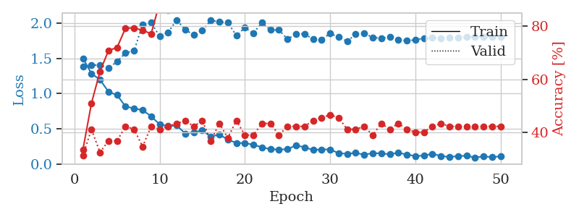
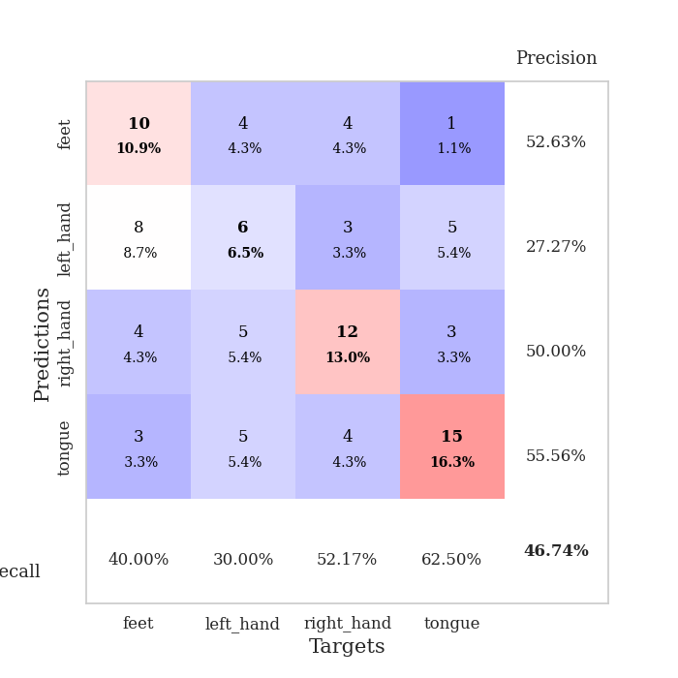
train_loss | valid_loss | train_accuracy | valid_accuracy | dur | train_misclass | valid_misclass
1.5024724473 | 1.3843695962 | 0.33695652174 | 0.3152173913 | 0.079964876175 | 33.695652174 | 31.52173913
1.2842828761 | 1.4044901184 | 0.51086956522 | 0.41304347826 | 0.079197645187 | 51.086956522 | 41.304347826
1.198329358 | 1.4056476977 | 0.63043478261 | 0.32608695652 | 0.07905125618 | 63.043478261 | 32.608695652
1.0267095099 | 1.3653686928 | 0.70923913043 | 0.36956521739 | 0.07940530777 | 70.923913043 | 36.956521739
0.97908099579 | 1.4546705329 | 0.72010869565 | 0.36956521739 | 0.081212282181 | 72.010869565 | 36.956521739
0.81875695353 | 1.5812081617 | 0.79347826087 | 0.42391304348 | 0.078972101212 | 79.347826087 | 42.391304348
0.78897420738 | 1.6070411931 | 0.79347826087 | 0.41304347826 | 0.079102754593 | 79.347826087 | 41.304347826
0.76618934455 | 1.9827674524 | 0.78532608696 | 0.34782608696 | 0.079091787338 | 78.532608696 | 34.782608696
0.67804790321 | 2.0067528797 | 0.77173913043 | 0.42391304348 | 0.079026699066 | 77.173913043 | 42.391304348
0.5631559841 | 1.8143083583 | 0.88858695652 | 0.41304347826 | 0.079305171967 | 88.858695652 | 41.304347826
0.5394176776 | 1.870132607 | 0.86141304348 | 0.42391304348 | 0.079197883606 | 86.141304348 | 42.391304348
0.54753392805 | 2.0477143215 | 0.89673913043 | 0.4347826087 | 0.079216957092 | 89.673913043 | 43.47826087
0.43369308179 | 1.9083887002 | 0.91847826087 | 0.44565217391 | 0.079765796661 | 91.847826087 | 44.565217391
0.45067797925 | 1.8343215092 | 0.89673913043 | 0.42391304348 | 0.079248905182 | 89.673913043 | 42.391304348
0.47796235007 | 1.9012379802 | 0.95652173913 | 0.44565217391 | 0.079349756241 | 95.652173913 | 44.565217391
0.38719960496 | 2.0377695871 | 0.95380434783 | 0.36956521739 | 0.079555034637 | 95.380434783 | 36.956521739
0.4199203797 | 2.022467012 | 0.96739130435 | 0.4347826087 | 0.079365968704 | 96.739130435 | 43.47826087
0.34626417056 | 2.0094742619 | 0.97010869565 | 0.38043478261 | 0.079489469528 | 97.010869565 | 38.043478261
0.29957816523 | 1.8239042681 | 0.97010869565 | 0.44565217391 | 0.079475641251 | 97.010869565 | 44.565217391
0.297396034 | 1.9374879754 | 0.98913043478 | 0.39130434783 | 0.079043865204 | 98.913043478 | 39.130434783
0.27323247006 | 1.8600180097 | 0.98641304348 | 0.39130434783 | 0.079543828964 | 98.641304348 | 39.130434783
0.23818347279 | 2.0073150293 | 0.99184782609 | 0.4347826087 | 0.079554796219 | 99.184782609 | 43.47826087
0.20941166223 | 1.9044681166 | 0.99184782609 | 0.4347826087 | 0.079523086548 | 99.184782609 | 43.47826087
0.2068657658 | 1.9039923678 | 1 | 0.39130434783 | 0.079737663269 | 100 | 39.130434783
0.20965750192 | 1.7737492634 | 0.9972826087 | 0.42391304348 | 0.079453706741 | 99.72826087 | 42.391304348
0.26669541001 | 1.8470064816 | 0.99456521739 | 0.42391304348 | 0.079188108444 | 99.456521739 | 42.391304348
0.23647981445 | 1.8509788772 | 0.99184782609 | 0.42391304348 | 0.079283952713 | 99.184782609 | 42.391304348
0.20153187118 | 1.7705366871 | 1 | 0.44565217391 | 0.079123020172 | 100 | 44.565217391
0.20733270729 | 1.7688190004 | 1 | 0.45652173913 | 0.079657077789 | 100 | 45.652173913
0.20701773384 | 1.8535800343 | 1 | 0.46739130435 | 0.079982995987 | 100 | 46.739130435
0.15313049147 | 1.8062211353 | 1 | 0.45652173913 | 0.079616069794 | 100 | 45.652173913
0.14571537175 | 1.7425461178 | 1 | 0.41304347826 | 0.079241752625 | 100 | 41.304347826
0.15726234472 | 1.8461486205 | 1 | 0.41304347826 | 0.079489707947 | 100 | 41.304347826
0.13274130217 | 1.8566874888 | 1 | 0.42391304348 | 0.079499006271 | 100 | 42.391304348
0.15489213007 | 1.7996851102 | 1 | 0.39130434783 | 0.079587936401 | 100 | 39.130434783
0.15069439149 | 1.7863107816 | 1 | 0.4347826087 | 0.079516887665 | 100 | 43.47826087
0.13901008649 | 1.8083828895 | 1 | 0.41304347826 | 0.079566955566 | 100 | 41.304347826
0.15951356535 | 1.7685824477 | 1 | 0.4347826087 | 0.079126358032 | 100 | 43.47826087
0.13409932816 | 1.7535160158 | 1 | 0.41304347826 | 0.079221248627 | 100 | 41.304347826
0.11348283161 | 1.7626374234 | 1 | 0.40217391304 | 0.079278945923 | 100 | 40.217391304
0.11918183586 | 1.7885777173 | 1 | 0.40217391304 | 0.079410791397 | 100 | 40.217391304
0.14567475005 | 1.7914734612 | 1 | 0.42391304348 | 0.079290390015 | 100 | 42.391304348
0.11379285011 | 1.7889208224 | 1 | 0.4347826087 | 0.079507350922 | 100 | 43.47826087
0.099761363767 | 1.7913147367 | 1 | 0.42391304348 | 0.079567670822 | 100 | 42.391304348
0.11274262971 | 1.7986872352 | 1 | 0.42391304348 | 0.079609632492 | 100 | 42.391304348
0.11726511918 | 1.803224066 | 1 | 0.42391304348 | 0.079683065414 | 100 | 42.391304348
0.092439748185 | 1.8064704252 | 1 | 0.42391304348 | 0.07964348793 | 100 | 42.391304348
0.10841708979 | 1.8068638833 | 1 | 0.42391304348 | 0.07964515686 | 100 | 42.391304348
0.097698613272 | 1.8073242695 | 1 | 0.42391304348 | 0.079484701157 | 100 | 42.391304348
0.10958940503 | 1.8080696282 | 1 | 0.42391304348 | 0.079747438431 | 100 | 42.391304348

Best Val accuracy is 0.4673913043478261 and Best test accuracy is 0.39655172413793105

Sheet7
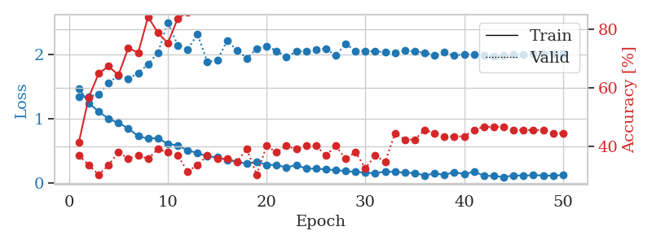
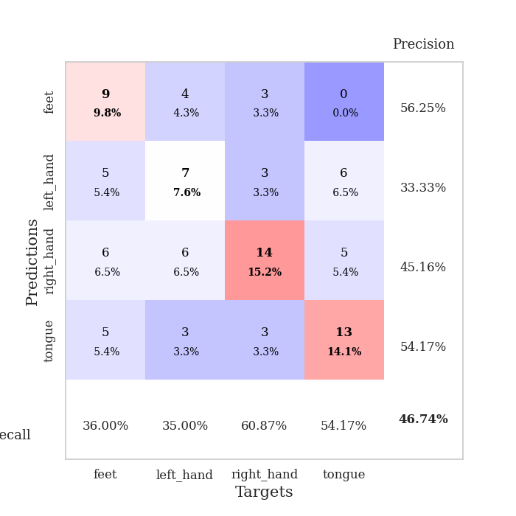
train_loss | valid_loss | train_accuracy | valid_accuracy | dur | train_misclass | valid_misclass
1.4773540393 | 1.3464125602 | 0.41576086957 | 0.36956521739 | 0.079285144806 | 41.576086957 | 36.956521739
1.2452735745 | 1.3494718438 | 0.56793478261 | 0.33695652174 | 0.079478263855 | 56.793478261 | 33.695652174
1.1154000681 | 1.3804034928 | 0.64945652174 | 0.30434782609 | 0.080981254578 | 64.945652174 | 30.434782609
1.0038527924 | 1.5622558283 | 0.67391304348 | 0.33695652174 | 0.078847646713 | 67.391304348 | 33.695652174
0.93513476849 | 1.6750506059 | 0.64402173913 | 0.38043478261 | 0.078935146332 | 64.402173913 | 38.043478261
0.85381897118 | 1.6273730579 | 0.73641304348 | 0.35869565217 | 0.079060316086 | 73.641304348 | 35.869565217
0.73020794988 | 1.7167854879 | 0.72010869565 | 0.36956521739 | 0.078941345215 | 72.010869565 | 36.956521739
0.6932597575 | 1.8531779206 | 0.84239130435 | 0.35869565217 | 0.079288721085 | 84.239130435 | 35.869565217
0.70018949586 | 2.0299526194 | 0.78804347826 | 0.39130434783 | 0.079432964325 | 78.804347826 | 39.130434783
0.60895418214 | 2.5052029257 | 0.7527173913 | 0.38043478261 | 0.079539299011 | 75.27173913 | 38.043478261
0.5898580603 | 2.1487659216 | 0.83695652174 | 0.36956521739 | 0.080047369003 | 83.695652174 | 36.956521739
0.50937741217 | 2.0841541394 | 0.85869565217 | 0.3152173913 | 0.0799741745 | 85.869565217 | 31.52173913
0.46934203674 | 2.319297521 | 0.8777173913 | 0.33695652174 | 0.079929590225 | 87.77173913 | 33.695652174
0.41583748615 | 1.8898485173 | 0.97282608696 | 0.36956521739 | 0.080095767975 | 97.282608696 | 36.956521739
0.40227588299 | 1.9115391762 | 0.95923913043 | 0.35869565217 | 0.080146312714 | 95.923913043 | 35.869565217
0.35962283093 | 2.2192416036 | 0.97010869565 | 0.35869565217 | 0.07971739769 | 97.010869565 | 35.869565217
0.33467954721 | 2.0723375756 | 0.98097826087 | 0.34782608696 | 0.079535961151 | 98.097826087 | 34.782608696
0.30065817062 | 1.9452979254 | 0.99184782609 | 0.39130434783 | 0.079370975494 | 99.184782609 | 39.130434783
0.33356460605 | 2.0968420402 | 0.98913043478 | 0.30434782609 | 0.079717636108 | 98.913043478 | 30.434782609
0.28211818441 | 2.1367755247 | 0.98369565217 | 0.40217391304 | 0.079996109009 | 98.369565217 | 40.217391304
0.28390846175 | 2.0606819547 | 0.99456521739 | 0.38043478261 | 0.080065727234 | 99.456521739 | 38.043478261
0.24033424064 | 1.9659744864 | 0.9972826087 | 0.40217391304 | 0.081320047379 | 99.72826087 | 40.217391304
0.28215074215 | 2.0502725684 | 1 | 0.39130434783 | 0.079417228699 | 100 | 39.130434783
0.22527362827 | 2.0563047813 | 0.98913043478 | 0.40217391304 | 0.079567670822 | 98.913043478 | 40.217391304
0.22454351316 | 2.0861069275 | 0.99456521739 | 0.40217391304 | 0.079516172409 | 99.456521739 | 40.217391304
0.21259844595 | 2.0967486164 | 0.99456521739 | 0.36956521739 | 0.079397201538 | 99.456521739 | 36.956521739
0.20269270986 | 1.9867772279 | 1 | 0.40217391304 | 0.079427719116 | 100 | 40.217391304
0.18570285323 | 2.1730195543 | 1 | 0.35869565217 | 0.079501867294 | 100 | 35.869565217
0.17321603308 | 2.0576939946 | 1 | 0.38043478261 | 0.079432487488 | 100 | 38.043478261
0.16444610011 | 2.0612814686 | 1 | 0.32608695652 | 0.07931303978 | 100 | 32.608695652
0.15069458391 | 2.0494099544 | 1 | 0.36956521739 | 0.079352140427 | 100 | 36.956521739
0.18014211515 | 2.0452361781 | 1 | 0.34782608696 | 0.07928442955 | 100 | 34.782608696
0.17492694813 | 2.0315804482 | 0.9972826087 | 0.44565217391 | 0.079349279404 | 99.72826087 | 44.565217391
0.15965082537 | 2.0678683157 | 1 | 0.42391304348 | 0.079465150833 | 100 | 42.391304348
0.15885210697 | 2.0507998466 | 1 | 0.42391304348 | 0.07923412323 | 100 | 42.391304348
0.1149926073 | 2.0324709053 | 1 | 0.45652173913 | 0.079796075821 | 100 | 45.652173913
0.15318737973 | 1.9934115617 | 1 | 0.44565217391 | 0.080827474594 | 100 | 44.565217391
0.12695143275 | 2.0384418291 | 1 | 0.4347826087 | 0.081259250641 | 100 | 43.47826087
0.1719885117 | 1.9857465651 | 1 | 0.4347826087 | 0.079500198364 | 100 | 43.47826087
0.13700725171 | 2.0104686644 | 1 | 0.4347826087 | 0.082656621933 | 100 | 43.47826087
0.17860817585 | 2.0052825212 | 1 | 0.45652173913 | 0.079690217972 | 100 | 45.652173913
0.11347303734 | 1.9892640477 | 1 | 0.46739130435 | 0.079394102097 | 100 | 46.739130435
0.11067435129 | 1.9849811274 | 1 | 0.46739130435 | 0.079979896545 | 100 | 46.739130435
0.092906855371 | 1.9943356099 | 1 | 0.46739130435 | 0.079559087753 | 100 | 46.739130435
0.12059691832 | 2.0018349575 | 1 | 0.45652173913 | 0.079608440399 | 100 | 45.652173913
0.11513571717 | 2.0078748568 | 1 | 0.45652173913 | 0.079671382904 | 100 | 45.652173913
0.12291290384 | 2.0113019995 | 1 | 0.45652173913 | 0.079607486725 | 100 | 45.652173913
0.11911360782 | 2.0143381979 | 1 | 0.45652173913 | 0.079551696777 | 100 | 45.652173913
0.11293207328 | 2.0158007249 | 1 | 0.44565217391 | 0.079509735107 | 100 | 44.565217391
0.12670972069 | 2.0164755583 | 1 | 0.44565217391 | 0.079691171646 | 100 | 44.565217391

Best Val accuracy is 0.4673913043478261 and Best test accuracy is 0.4224137931034483

Sheet8
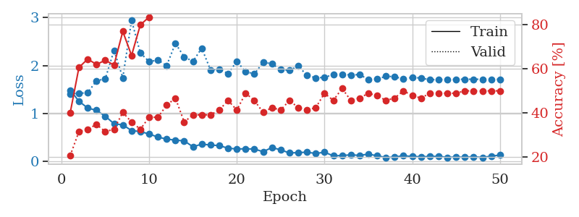
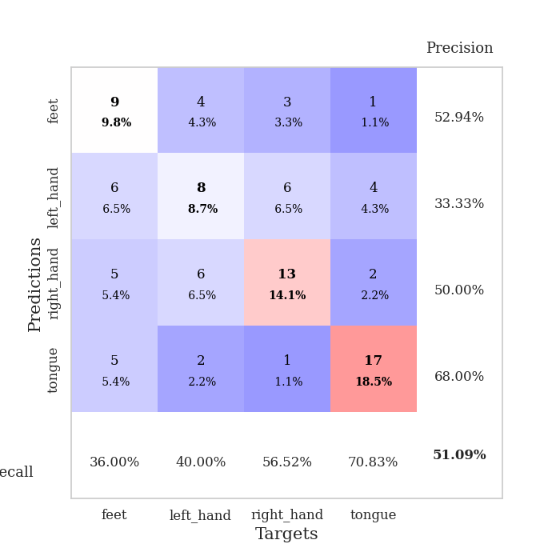
train_loss | valid_loss | train_accuracy | valid_accuracy | dur | train_misclass | valid_misclass
1.4889566432 | 1.4130722336 | 0.39945652174 | 0.20652173913 | 0.079341888428 | 39.945652174 | 20.652173913
1.2581435079 | 1.4212108229 | 0.60597826087 | 0.3152173913 | 0.079253196716 | 60.597826087 | 31.52173913
1.1136455406 | 1.4349112303 | 0.64402173913 | 0.32608695652 | 0.082337617874 | 64.402173913 | 32.608695652
1.0680978609 | 1.6837434821 | 0.61956521739 | 0.34782608696 | 0.079780340195 | 61.956521739 | 34.782608696
0.94585055113 | 1.7223060649 | 0.63858695652 | 0.3152173913 | 0.07931137085 | 63.858695652 | 31.52173913
0.78670642428 | 2.3157178112 | 0.61684782609 | 0.32608695652 | 0.079410791397 | 61.684782609 | 32.608695652
0.76444226374 | 1.7457512669 | 0.76902173913 | 0.40217391304 | 0.079437494278 | 76.902173913 | 40.217391304
0.64486805382 | 2.9419459053 | 0.66032608696 | 0.35869565217 | 0.07941865921 | 66.032608696 | 35.869565217
0.62439873944 | 2.2651294211 | 0.79891304348 | 0.32608695652 | 0.079307317734 | 79.891304348 | 32.608695652
0.57367951326 | 2.0820317579 | 0.83423913043 | 0.38043478261 | 0.07918548584 | 83.423913043 | 38.043478261
0.50929692388 | 2.1146750968 | 0.89673913043 | 0.38043478261 | 0.079438209534 | 89.673913043 | 38.043478261
0.46707220894 | 2.0006261183 | 0.91032608696 | 0.4347826087 | 0.079622268677 | 91.032608696 | 43.47826087
0.44524189182 | 2.4627511398 | 0.88586956522 | 0.46739130435 | 0.079899549484 | 88.586956522 | 46.739130435
0.42945193078 | 2.1810687314 | 0.89673913043 | 0.35869565217 | 0.079521656036 | 89.673913043 | 35.869565217
0.30772193651 | 2.0877404679 | 0.97554347826 | 0.39130434783 | 0.07948589325 | 97.554347826 | 39.130434783
0.36174769829 | 2.3637344215 | 0.92391304348 | 0.39130434783 | 0.079360961914 | 92.391304348 | 39.130434783
0.34355419226 | 1.9097629993 | 0.95923913043 | 0.39130434783 | 0.079518318176 | 95.923913043 | 39.130434783
0.33146208266 | 1.9264587319 | 0.98369565217 | 0.41304347826 | 0.079503297806 | 98.369565217 | 41.304347826
0.27689429826 | 1.8335072009 | 0.9972826087 | 0.45652173913 | 0.079502105713 | 99.72826087 | 45.652173913
0.2614742349 | 2.0885916534 | 0.98913043478 | 0.41304347826 | 0.079481601715 | 98.913043478 | 41.304347826
0.26430598031 | 1.8743638319 | 0.9972826087 | 0.48913043478 | 0.079482078552 | 99.72826087 | 48.913043478
0.26002390683 | 1.8256052525 | 0.99456521739 | 0.45652173913 | 0.07971739769 | 99.456521739 | 45.652173913
0.20382726095 | 2.0684919409 | 0.98913043478 | 0.40217391304 | 0.079302787781 | 98.913043478 | 40.217391304
0.29139639599 | 2.0390809308 | 0.98369565217 | 0.42391304348 | 0.079400062561 | 98.369565217 | 42.391304348
0.24292553313 | 1.9136735305 | 0.99456521739 | 0.41304347826 | 0.079395771027 | 99.456521739 | 41.304347826
0.17758641862 | 1.9015813859 | 1 | 0.45652173913 | 0.080477237701 | 100 | 45.652173913
0.18614783494 | 1.9912046298 | 0.98913043478 | 0.42391304348 | 0.07962179184 | 98.913043478 | 42.391304348
0.19360453716 | 1.7968525835 | 0.99456521739 | 0.41304347826 | 0.079567193985 | 99.456521739 | 41.304347826
0.16728458505 | 1.7440164763 | 1 | 0.42391304348 | 0.07954287529 | 100 | 42.391304348
0.19378430753 | 1.7538039166 | 1 | 0.48913043478 | 0.07949757576 | 100 | 48.913043478
0.11758862565 | 1.8147695946 | 1 | 0.45652173913 | 0.079962015152 | 100 | 45.652173913
0.1250895035 | 1.8210054221 | 1 | 0.51086956522 | 0.079868793488 | 100 | 51.086956522
0.1386920272 | 1.8034028178 | 1 | 0.45652173913 | 0.079705238342 | 100 | 45.652173913
0.12729099109 | 1.8126153324 | 1 | 0.46739130435 | 0.079441308975 | 100 | 46.739130435
0.15433311454 | 1.7099878218 | 1 | 0.48913043478 | 0.079435586929 | 100 | 48.913043478
0.11878484488 | 1.7179159444 | 1 | 0.47826086957 | 0.079553842545 | 100 | 47.826086957
0.08274273874 | 1.7768896093 | 1 | 0.45652173913 | 0.07968211174 | 100 | 45.652173913
0.093909648611 | 1.7686468207 | 1 | 0.46739130435 | 0.07941865921 | 100 | 46.739130435
0.12039721676 | 1.7179984424 | 1 | 0.5 | 0.079562187195 | 100 | 50
0.10421590677 | 1.7539848089 | 1 | 0.47826086957 | 0.07950091362 | 100 | 47.826086957
0.098413017295 | 1.7401856288 | 1 | 0.46739130435 | 0.079362869263 | 100 | 46.739130435
0.10322770962 | 1.7049755376 | 1 | 0.48913043478 | 0.079157829285 | 100 | 48.913043478
0.10910851217 | 1.7082400166 | 1 | 0.48913043478 | 0.079138755798 | 100 | 48.913043478
0.08488566801 | 1.7064102007 | 1 | 0.48913043478 | 0.079374551773 | 100 | 48.913043478
0.095527004046 | 1.7135184537 | 1 | 0.48913043478 | 0.079184532166 | 100 | 48.913043478
0.087103666576 | 1.7159382105 | 1 | 0.5 | 0.079721450806 | 100 | 50
0.099948912454 | 1.7157634652 | 1 | 0.5 | 0.079998731613 | 100 | 50
0.083215572912 | 1.7153600662 | 1 | 0.5 | 0.079517841339 | 100 | 50
0.11170064468 | 1.7145838064 | 1 | 0.5 | 0.079411029816 | 100 | 50
0.13420452137 | 1.7143829284 | 1 | 0.5 | 0.08056807518 | 100 | 50

Best Val accuracy is 0.5108695652173914 and Best test accuracy is 0.4482758620689655

Sheet9
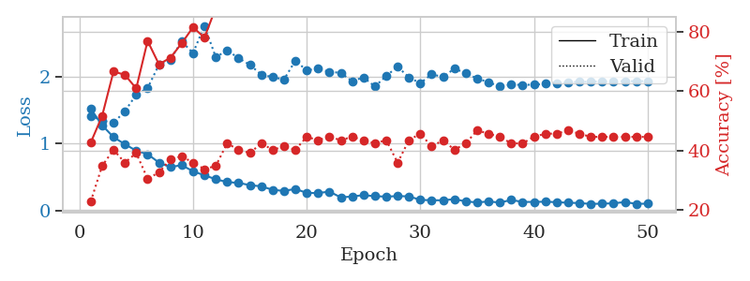
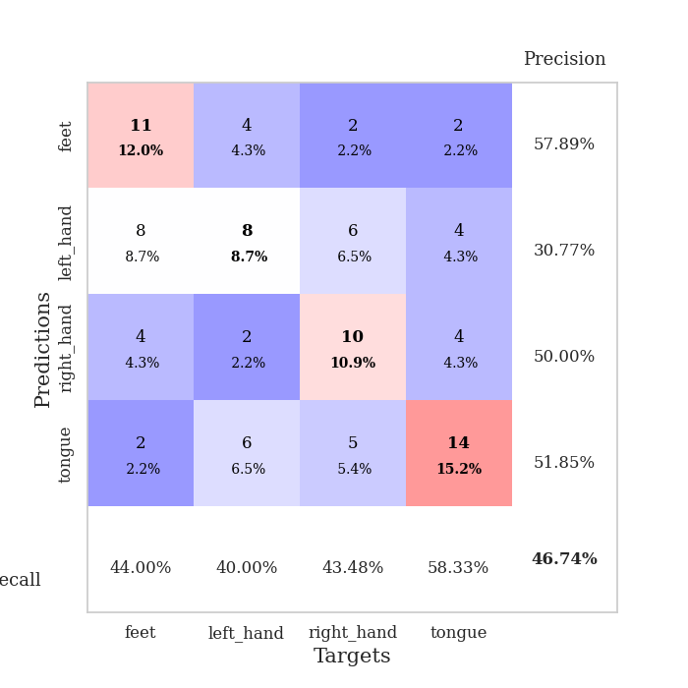
train_loss | valid_loss | train_accuracy | valid_accuracy | dur | train_misclass | valid_misclass
1.5182870212 | 1.4161260646 | 0.42663043478 | 0.22826086957 | 0.079300880432 | 42.663043478 | 22.826086957
1.2757649629 | 1.3437128223 | 0.51630434783 | 0.34782608696 | 0.078984737396 | 51.630434783 | 34.782608696
1.0982711445 | 1.3103539166 | 0.66576086957 | 0.40217391304 | 0.079002380371 | 66.576086957 | 40.217391304
0.99339339785 | 1.4842826646 | 0.65489130435 | 0.35869565217 | 0.079094648361 | 65.489130435 | 35.869565217
0.89665030915 | 1.7303345722 | 0.60869565217 | 0.39130434783 | 0.079130172729 | 60.869565217 | 39.130434783
0.8457988371 | 1.8276007435 | 0.76902173913 | 0.30434782609 | 0.080200910568 | 76.902173913 | 30.434782609
0.7201207021 | 2.1757539096 | 0.6902173913 | 0.32608695652 | 0.079091787338 | 69.02173913 | 32.608695652
0.65209036029 | 2.2537629397 | 0.71195652174 | 0.36956521739 | 0.078561306 | 71.195652174 | 36.956521739
0.68244078496 | 2.5228372657 | 0.76086956522 | 0.38043478261 | 0.078932762146 | 76.086956522 | 38.043478261
0.59015130608 | 2.3490713368 | 0.8152173913 | 0.35869565217 | 0.079173326492 | 81.52173913 | 35.869565217
0.53076569282 | 2.7557234038 | 0.77989130435 | 0.33695652174 | 0.07927775383 | 77.989130435 | 33.695652174
0.47245417471 | 2.288024016 | 0.88043478261 | 0.34782608696 | 0.079404115677 | 88.043478261 | 34.782608696
0.42995448346 | 2.3897149718 | 0.90489130435 | 0.42391304348 | 0.079071998596 | 90.489130435 | 42.391304348
0.41802393094 | 2.2751968788 | 0.94293478261 | 0.40217391304 | 0.079013586044 | 94.293478261 | 40.217391304
0.38458169997 | 2.1738753474 | 0.94293478261 | 0.39130434783 | 0.078806638718 | 94.293478261 | 39.130434783
0.36650530055 | 2.0305814121 | 0.98641304348 | 0.42391304348 | 0.079357385635 | 98.641304348 | 42.391304348
0.31543349021 | 1.991621769 | 0.97554347826 | 0.40217391304 | 0.079557657242 | 97.554347826 | 40.217391304
0.29775826633 | 1.9563429511 | 0.97010869565 | 0.41304347826 | 0.079275369644 | 97.010869565 | 41.304347826
0.32855986674 | 2.2355850002 | 0.98369565217 | 0.40217391304 | 0.07929110527 | 98.369565217 | 40.217391304
0.26869738523 | 2.0926846421 | 0.9972826087 | 0.44565217391 | 0.079408884048 | 99.72826087 | 44.565217391
0.26685535001 | 2.1173710201 | 0.99456521739 | 0.4347826087 | 0.079338312149 | 99.456521739 | 43.47826087
0.28823137866 | 2.0696764303 | 1 | 0.44565217391 | 0.079210519791 | 100 | 44.565217391
0.20210132035 | 2.0560312789 | 0.99456521739 | 0.4347826087 | 0.079515218735 | 99.456521739 | 43.47826087
0.21556125938 | 1.9304619665 | 1 | 0.44565217391 | 0.079226970673 | 100 | 44.565217391
0.23561642513 | 1.9893092435 | 0.99184782609 | 0.4347826087 | 0.079282999039 | 99.184782609 | 43.47826087
0.21945219746 | 1.850520616 | 1 | 0.42391304348 | 0.079215764999 | 100 | 42.391304348
0.2139358514 | 2.0103603446 | 0.98913043478 | 0.4347826087 | 0.079045295715 | 98.913043478 | 43.47826087
0.22124606938 | 2.1463635797 | 1 | 0.35869565217 | 0.078736543655 | 100 | 35.869565217
0.21742938216 | 1.9876768226 | 1 | 0.4347826087 | 0.078642845154 | 100 | 43.47826087
0.16432323679 | 1.9004126062 | 1 | 0.45652173913 | 0.07886505127 | 100 | 45.652173913
0.16009925257 | 2.0363607614 | 1 | 0.41304347826 | 0.078790664673 | 100 | 41.304347826
0.15834709127 | 1.9915093339 | 1 | 0.4347826087 | 0.078839302063 | 100 | 43.47826087
0.17675762947 | 2.1194508335 | 1 | 0.40217391304 | 0.079280614853 | 100 | 40.217391304
0.14136911232 | 2.048619431 | 1 | 0.42391304348 | 0.079161643982 | 100 | 42.391304348
0.12776256644 | 1.9703742473 | 1 | 0.46739130435 | 0.079093694687 | 100 | 46.739130435
0.14104885592 | 1.9165051761 | 1 | 0.45652173913 | 0.079039812088 | 100 | 45.652173913
0.12540755534 | 1.8500741513 | 1 | 0.44565217391 | 0.078654050827 | 100 | 44.565217391
0.16380575073 | 1.8792513972 | 1 | 0.42391304348 | 0.082901239395 | 100 | 42.391304348
0.13414593381 | 1.8762962248 | 1 | 0.42391304348 | 0.078768730164 | 100 | 42.391304348
0.13475450064 | 1.879193052 | 1 | 0.44565217391 | 0.08266043663 | 100 | 44.565217391
0.13777471107 | 1.8920259735 | 1 | 0.45652173913 | 0.078849554062 | 100 | 45.652173913
0.13088311077 | 1.8918307294 | 1 | 0.45652173913 | 0.078956842422 | 100 | 45.652173913
0.12242220302 | 1.916704069 | 1 | 0.46739130435 | 0.078873157501 | 100 | 46.739130435
0.11793391649 | 1.919942068 | 1 | 0.45652173913 | 0.079002380371 | 100 | 45.652173913
0.1044494649 | 1.9242048523 | 1 | 0.44565217391 | 0.07919216156 | 100 | 44.565217391
0.10932170535 | 1.9268788099 | 1 | 0.44565217391 | 0.079246759415 | 100 | 44.565217391
0.11365737693 | 1.9304975479 | 1 | 0.44565217391 | 0.079261541367 | 100 | 44.565217391
0.13296662368 | 1.9317920052 | 1 | 0.44565217391 | 0.079348087311 | 100 | 44.565217391
0.10578827924 | 1.9316118645 | 1 | 0.44565217391 | 0.079216003418 | 100 | 44.565217391
0.10891823762 | 1.9323082229 | 1 | 0.44565217391 | 0.080736637115 | 100 | 44.565217391

Best Val accuracy is 0.4673913043478261 and Best test accuracy is 0.35344827586206895

Sheet10
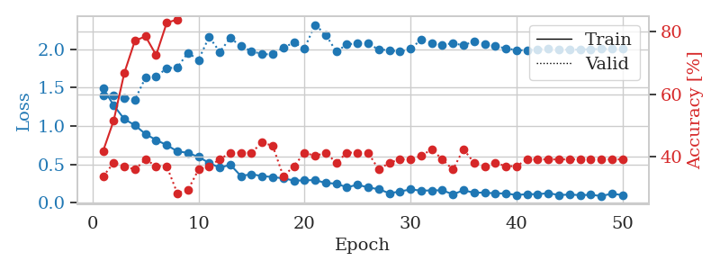
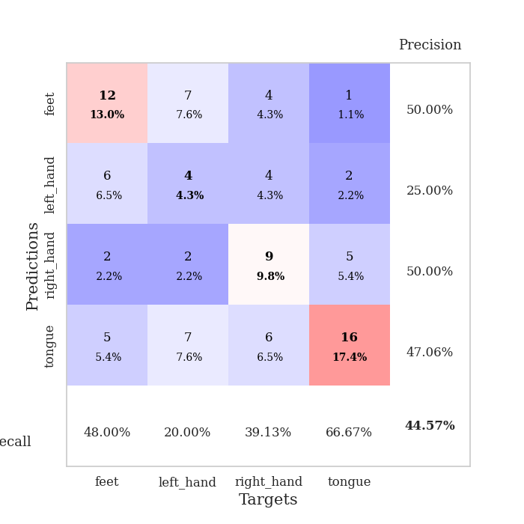
train_loss | valid_loss | train_accuracy | valid_accuracy | dur | train_misclass | valid_misclass
1.490061366 | 1.4021427372 | 0.41847826087 | 0.33695652174 | 0.080583333969 | 41.847826087 | 33.695652174
1.2683996325 | 1.4011682272 | 0.51630434783 | 0.38043478261 | 0.078954696655 | 51.630434783 | 38.043478261
1.0898000417 | 1.3690906763 | 0.66847826087 | 0.36956521739 | 0.079086780548 | 66.847826087 | 36.956521739
1.0102476866 | 1.3427902667 | 0.77173913043 | 0.35869565217 | 0.078949213028 | 77.173913043 | 35.869565217
0.89494786055 | 1.6309428526 | 0.78532608696 | 0.39130434783 | 0.078993082047 | 78.532608696 | 39.130434783
0.81816448595 | 1.6428805797 | 0.72554347826 | 0.36956521739 | 0.078845262527 | 72.554347826 | 36.956521739
0.75174972674 | 1.7530129526 | 0.82880434783 | 0.36956521739 | 0.078894376755 | 82.880434783 | 36.956521739
0.67045980562 | 1.7637512166 | 0.83967391304 | 0.28260869565 | 0.07880282402 | 83.967391304 | 28.260869565
0.65051117799 | 1.9534700824 | 0.8722826087 | 0.29347826087 | 0.079176902771 | 87.22826087 | 29.347826087
0.59682414324 | 1.8618456177 | 0.91304347826 | 0.35869565217 | 0.079013824463 | 91.304347826 | 35.869565217
0.51948905121 | 2.1620319252 | 0.8722826087 | 0.36956521739 | 0.079159736633 | 87.22826087 | 36.956521739
0.45633697186 | 1.9654227495 | 0.92934782609 | 0.39130434783 | 0.079024076462 | 92.934782609 | 39.130434783
0.49573328443 | 2.1471828119 | 0.92391304348 | 0.41304347826 | 0.078736543655 | 92.391304348 | 41.304347826
0.34892947454 | 2.0399120009 | 0.95923913043 | 0.41304347826 | 0.079054117203 | 95.923913043 | 41.304347826
0.3722943858 | 1.975204276 | 0.97010869565 | 0.41304347826 | 0.078894853592 | 97.010869565 | 41.304347826
0.34757457738 | 1.9359753443 | 0.95923913043 | 0.44565217391 | 0.079384088516 | 95.923913043 | 44.565217391
0.33593843586 | 1.9330154657 | 0.98097826087 | 0.4347826087 | 0.079355239868 | 98.097826087 | 43.47826087
0.31780453577 | 2.0222661651 | 0.99456521739 | 0.33695652174 | 0.079545497894 | 99.456521739 | 33.695652174
0.28971699075 | 2.0851011743 | 0.99456521739 | 0.36956521739 | 0.079578638077 | 99.456521739 | 36.956521739
0.29104000881 | 2.0140545627 | 0.98369565217 | 0.41304347826 | 0.079394340515 | 98.369565217 | 41.304347826
0.29707525541 | 2.3190285693 | 0.96195652174 | 0.40217391304 | 0.079483985901 | 96.195652174 | 40.217391304
0.25709742826 | 2.1900093504 | 0.98369565217 | 0.41304347826 | 0.079433202744 | 98.369565217 | 41.304347826
0.25037513997 | 1.9693202402 | 0.99456521739 | 0.38043478261 | 0.079228878021 | 99.456521739 | 38.043478261
0.20086299693 | 2.0632167847 | 0.9972826087 | 0.41304347826 | 0.079328298569 | 99.72826087 | 41.304347826
0.2362856907 | 2.0779846907 | 1 | 0.41304347826 | 0.079505205154 | 100 | 41.304347826
0.198928339 | 2.0752737678 | 1 | 0.41304347826 | 0.079329490662 | 100 | 41.304347826
0.17768267866 | 1.9958348844 | 1 | 0.35869565217 | 0.079162120819 | 100 | 35.869565217
0.1239292803 | 1.9880521142 | 1 | 0.38043478261 | 0.079139232635 | 100 | 38.043478261
0.14702399375 | 1.9678817469 | 1 | 0.39130434783 | 0.079286575317 | 100 | 39.130434783
0.1747554177 | 2.0033875548 | 1 | 0.39130434783 | 0.079351663589 | 100 | 39.130434783
0.15816534084 | 2.1257056775 | 1 | 0.40217391304 | 0.079413175583 | 100 | 40.217391304
0.16155355958 | 2.0824926781 | 1 | 0.42391304348 | 0.079379796982 | 100 | 42.391304348
0.16278461966 | 2.0574001281 | 1 | 0.39130434783 | 0.079324960709 | 100 | 39.130434783
0.11052936251 | 2.0784617144 | 1 | 0.35869565217 | 0.079130411148 | 100 | 35.869565217
0.16281971659 | 2.0509747889 | 1 | 0.42391304348 | 0.07909989357 | 100 | 42.391304348
0.13086464936 | 2.1029327227 | 1 | 0.38043478261 | 0.079261541367 | 100 | 38.043478261
0.13396095258 | 2.0703299408 | 1 | 0.36956521739 | 0.079472541809 | 100 | 36.956521739
0.12148617159 | 2.0388543554 | 1 | 0.38043478261 | 0.079526185989 | 100 | 38.043478261
0.12285622217 | 2.0125805451 | 1 | 0.36956521739 | 0.07901263237 | 100 | 36.956521739
0.10003106555 | 1.9885152371 | 1 | 0.36956521739 | 0.079527139664 | 100 | 36.956521739
0.11348198783 | 1.9848762232 | 1 | 0.39130434783 | 0.079476594925 | 100 | 39.130434783
0.11059570604 | 2.0003954172 | 1 | 0.39130434783 | 0.079281330109 | 100 | 39.130434783
0.12666888875 | 2.0065494983 | 1 | 0.39130434783 | 0.07926440239 | 100 | 39.130434783
0.10042004352 | 1.9990052607 | 1 | 0.39130434783 | 0.078787565231 | 100 | 39.130434783
0.1070860502 | 1.9932330588 | 1 | 0.39130434783 | 0.078735351562 | 100 | 39.130434783
0.099756193388 | 1.9959084262 | 1 | 0.39130434783 | 0.078848600388 | 100 | 39.130434783
0.10337230385 | 2.0013900425 | 1 | 0.39130434783 | 0.078960418701 | 100 | 39.130434783
0.08877039142 | 2.002891271 | 1 | 0.39130434783 | 0.078815221786 | 100 | 39.130434783
0.11799337197 | 2.0047018269 | 1 | 0.39130434783 | 0.078889131546 | 100 | 39.130434783
0.10056409434 | 2.0056007841 | 1 | 0.39130434783 | 0.078823566437 | 100 | 39.130434783

Best Val accuracy is 0.44565217391304346 and Best test accuracy is 0.4224137931034483

