Sheet
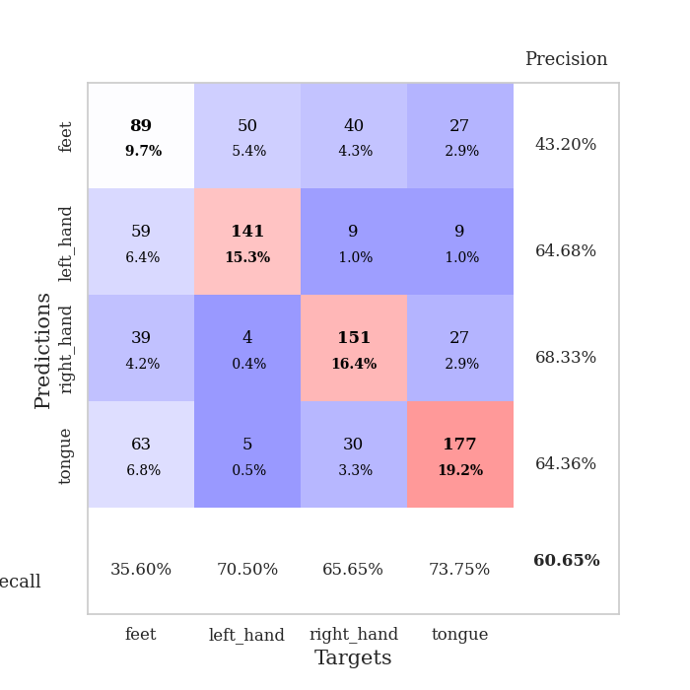
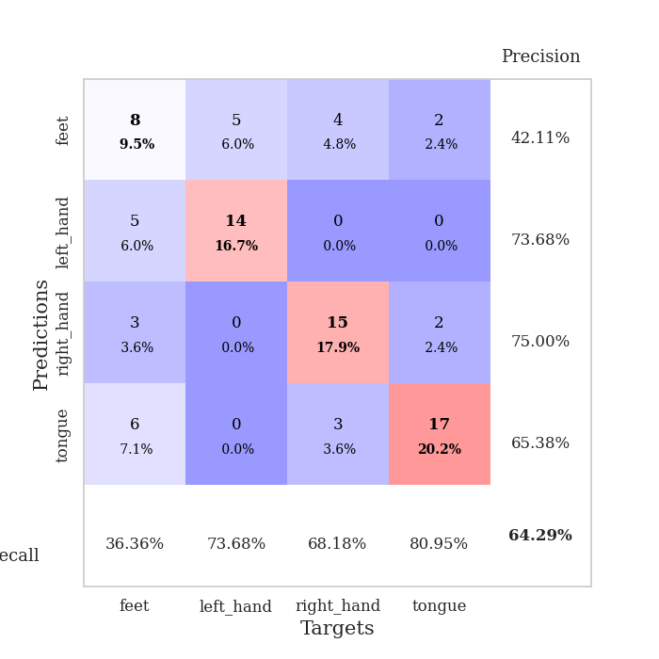
best_val_acc | best_val_los | best_test_acc
0.64130434783 | 1.2676397925 | 0.71551724138
0.59782608696 | 1.2787757127 | 0.60344827586
0.5652173913 | 1.3540309823 | 0.65517241379
0.61956521739 | 1.2726904206 | 0.62068965517
0.59782608696 | 1.3043956472 | 0.62931034483
0.64130434783 | 1.0861920883 | 0.65517241379
0.61956521739 | 1.2535026747 | 0.68103448276
0.58695652174 | 1.1775858039 | 0.58620689655
0.58695652174 | 1.3347606814 | 0.59482758621
0.60869565217 | 1.2685380448 | 0.62068965517

Mean,std Val accuracy is 0.6065217391304348 , 0.0244665840813538 and mean, std test accuracy is 0.6362068965517241 , 0.040597662097584745

Sheet1
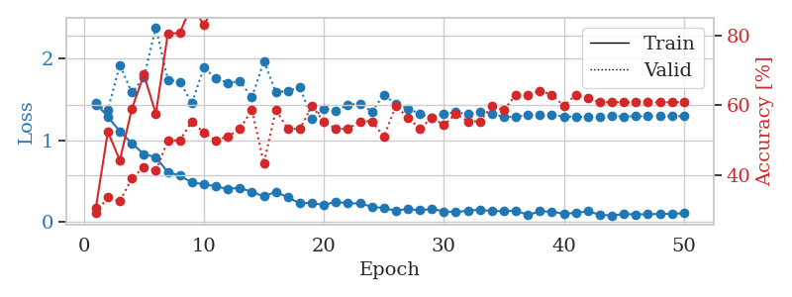
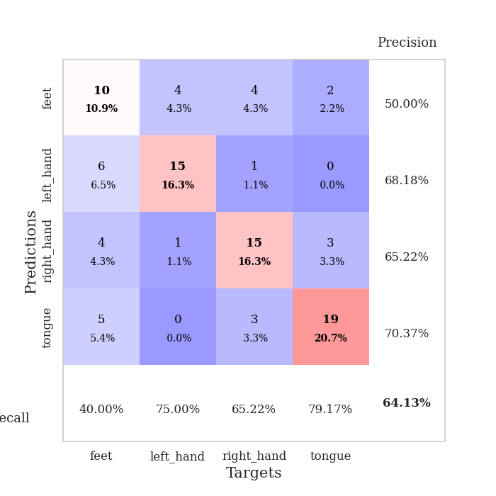
train_loss | valid_loss | train_accuracy | valid_accuracy | dur | train_misclass | valid_misclass
1.4518636776 | 1.4323357344 | 0.30706521739 | 0.29347826087 | 0.078841209412 | 30.706521739 | 29.347826087
1.2868005089 | 1.3717663495 | 0.52445652174 | 0.33695652174 | 0.07910490036 | 52.445652174 | 33.695652174
1.1090228298 | 1.9203944154 | 0.44293478261 | 0.32608695652 | 0.07890868187 | 44.293478261 | 32.608695652
0.9606125899 | 1.5845957735 | 0.58967391304 | 0.39130434783 | 0.078895330429 | 58.967391304 | 39.130434783
0.82906760599 | 1.7665065501 | 0.6875 | 0.42391304348 | 0.079949378967 | 68.75 | 42.391304348
0.79097118585 | 2.3860481459 | 0.57608695652 | 0.41304347826 | 0.079603433609 | 57.608695652 | 41.304347826
0.60636245297 | 1.7399084231 | 0.80434782609 | 0.5 | 0.079766273499 | 80.434782609 | 50
0.56651262485 | 1.7174646932 | 0.80706521739 | 0.5 | 0.079838991165 | 80.706521739 | 50
0.47802315912 | 1.4538274952 | 0.88858695652 | 0.55434782609 | 0.079490661621 | 88.858695652 | 55.434782609
0.46184489779 | 1.8890153066 | 0.82880434783 | 0.52173913043 | 0.079822778702 | 82.880434783 | 52.173913043
0.4309657242 | 1.7598804132 | 0.89402173913 | 0.5 | 0.079671859741 | 89.402173913 | 50
0.40208577008 | 1.7024431332 | 0.92391304348 | 0.51086956522 | 0.079535722733 | 92.391304348 | 51.086956522
0.41412130387 | 1.7243439037 | 0.90760869565 | 0.53260869565 | 0.079444885254 | 90.760869565 | 53.260869565
0.36606267289 | 1.5250873954 | 0.96195652174 | 0.58695652174 | 0.079708576202 | 96.195652174 | 58.695652174
0.30871163276 | 1.971145946 | 0.91847826087 | 0.4347826087 | 0.079662084579 | 91.847826087 | 43.47826087
0.36566567551 | 1.5903782611 | 0.97282608696 | 0.58695652174 | 0.081948757172 | 97.282608696 | 58.695652174
0.29628518969 | 1.6027891817 | 0.97010869565 | 0.53260869565 | 0.080165624619 | 97.010869565 | 53.260869565
0.22358525512 | 1.649947353 | 0.97554347826 | 0.53260869565 | 0.079550504684 | 97.554347826 | 53.260869565
0.23111756826 | 1.2676397925 | 0.98913043478 | 0.59782608696 | 0.079216241837 | 98.913043478 | 59.782608696
0.20184588465 | 1.3870046942 | 0.99456521739 | 0.55434782609 | 0.079577684402 | 99.456521739 | 55.434782609
0.24533818678 | 1.3569359028 | 0.99184782609 | 0.53260869565 | 0.07922077179 | 99.184782609 | 53.260869565
0.22285308268 | 1.4344879052 | 0.97282608696 | 0.53260869565 | 0.079087495804 | 97.282608696 | 53.260869565
0.2242347705 | 1.4496137629 | 0.9972826087 | 0.55434782609 | 0.08028626442 | 99.72826087 | 55.434782609
0.18248431887 | 1.3514725099 | 0.9972826087 | 0.55434782609 | 0.079385519028 | 99.72826087 | 55.434782609
0.16571174303 | 1.5561360328 | 1 | 0.51086956522 | 0.079347133636 | 100 | 51.086956522
0.13499897484 | 1.4425423871 | 0.99456521739 | 0.59782608696 | 0.079533100128 | 99.456521739 | 59.782608696
0.15651946013 | 1.3867692585 | 0.99184782609 | 0.5652173913 | 0.07942199707 | 99.184782609 | 56.52173913
0.13807948274 | 1.32206278 | 1 | 0.53260869565 | 0.079283714294 | 100 | 53.260869565
0.15586001572 | 1.2762880118 | 1 | 0.5652173913 | 0.083549976349 | 100 | 56.52173913
0.12547942883 | 1.3252511102 | 1 | 0.54347826087 | 0.079337835312 | 100 | 54.347826087
0.11612569873 | 1.3411886977 | 0.9972826087 | 0.57608695652 | 0.079364776611 | 99.72826087 | 57.608695652
0.13485968324 | 1.3182081658 | 1 | 0.55434782609 | 0.079548597336 | 100 | 55.434782609
0.14493766055 | 1.3412008 | 1 | 0.55434782609 | 0.079649448395 | 100 | 55.434782609
0.12993171949 | 1.3228547806 | 1 | 0.59782608696 | 0.07944560051 | 100 | 59.782608696
0.1263488076 | 1.2863861607 | 1 | 0.58695652174 | 0.081722974777 | 100 | 58.695652174
0.13424386019 | 1.2874790974 | 1 | 0.63043478261 | 0.079410552979 | 100 | 63.043478261
0.082660771987 | 1.3073498555 | 1 | 0.63043478261 | 0.079716682434 | 100 | 63.043478261
0.12617158874 | 1.3135222741 | 1 | 0.64130434783 | 0.079117536545 | 100 | 64.130434783
0.12270270531 | 1.3074350953 | 1 | 0.63043478261 | 0.079607009888 | 100 | 63.043478261
0.096353325264 | 1.2911261294 | 1 | 0.59782608696 | 0.079367876053 | 100 | 59.782608696
0.1063783749 | 1.2851798534 | 1 | 0.63043478261 | 0.08281826973 | 100 | 63.043478261
0.12668385924 | 1.2847578759 | 1 | 0.61956521739 | 0.079368829727 | 100 | 61.956521739
0.084579208866 | 1.2919495935 | 1 | 0.60869565217 | 0.079444169998 | 100 | 60.869565217
0.074007089857 | 1.2943822431 | 1 | 0.60869565217 | 0.079499006271 | 100 | 60.869565217
0.09394299166 | 1.2913243071 | 1 | 0.60869565217 | 0.079385995865 | 100 | 60.869565217
0.088497635706 | 1.2930116446 | 1 | 0.60869565217 | 0.079419851303 | 100 | 60.869565217
0.090781985215 | 1.2931309679 | 1 | 0.60869565217 | 0.079485654831 | 100 | 60.869565217
0.094824507347 | 1.2942026905 | 1 | 0.60869565217 | 0.079543352127 | 100 | 60.869565217
0.094247584596 | 1.2947014648 | 1 | 0.60869565217 | 0.079342365265 | 100 | 60.869565217
0.10390848788 | 1.2948809914 | 1 | 0.60869565217 | 0.079440116882 | 100 | 60.869565217

Best Val accuracy is 0.6413043478260869 and Best test accuracy is 0.7155172413793104

Sheet2
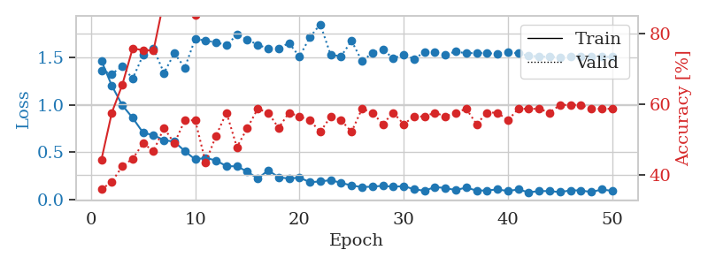
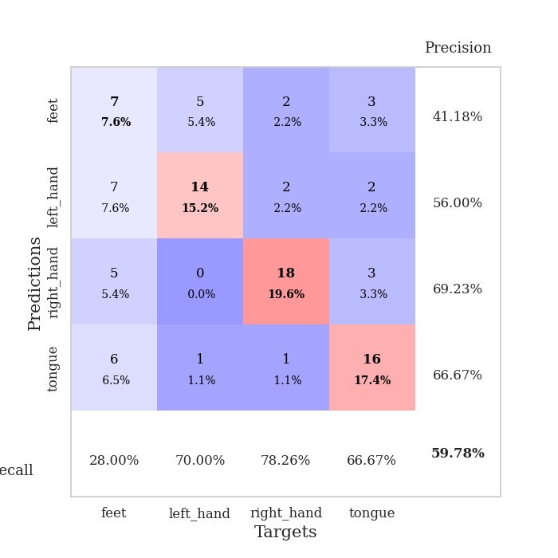
train_loss | valid_loss | train_accuracy | valid_accuracy | dur | train_misclass | valid_misclass
1.4677798904 | 1.3667170898 | 0.44293478261 | 0.35869565217 | 0.08031463623 | 44.293478261 | 35.869565217
1.2040515231 | 1.3283272774 | 0.57608695652 | 0.38043478261 | 0.079288244247 | 57.608695652 | 38.043478261
0.99714962037 | 1.4102879763 | 0.65489130435 | 0.42391304348 | 0.079168081284 | 65.489130435 | 42.391304348
0.86346993887 | 1.2787757127 | 0.75815217391 | 0.44565217391 | 0.078829050064 | 75.815217391 | 44.565217391
0.7056049277 | 1.5296735582 | 0.7527173913 | 0.48913043478 | 0.079063415527 | 75.27173913 | 48.913043478
0.68043414924 | 1.5948254518 | 0.7527173913 | 0.46739130435 | 0.079321622849 | 75.27173913 | 46.739130435
0.62748243627 | 1.3395219031 | 0.89402173913 | 0.53260869565 | 0.079308986664 | 89.402173913 | 53.260869565
0.61127672506 | 1.5476244844 | 0.89402173913 | 0.48913043478 | 0.079126119614 | 89.402173913 | 48.913043478
0.51166250783 | 1.3944390546 | 0.92391304348 | 0.55434782609 | 0.07929444313 | 92.391304348 | 55.434782609
0.42322929851 | 1.7007531653 | 0.85326086957 | 0.55434782609 | 0.079341173172 | 85.326086957 | 55.434782609
0.43988123083 | 1.6809346805 | 0.92119565217 | 0.4347826087 | 0.079323530197 | 92.119565217 | 43.47826087
0.41200699107 | 1.6638178411 | 0.90217391304 | 0.51086956522 | 0.07937002182 | 90.217391304 | 51.086956522
0.35204154966 | 1.633068419 | 0.9347826087 | 0.57608695652 | 0.079276561737 | 93.47826087 | 57.608695652
0.35035041104 | 1.7427449045 | 0.94565217391 | 0.47826086957 | 0.079089641571 | 94.565217391 | 47.826086957
0.29468949204 | 1.6914065351 | 0.98913043478 | 0.53260869565 | 0.078940868378 | 98.913043478 | 53.260869565
0.22058306991 | 1.6382554744 | 0.99184782609 | 0.58695652174 | 0.079241514206 | 99.184782609 | 58.695652174
0.30785239261 | 1.5965674131 | 0.98097826087 | 0.57608695652 | 0.079349517822 | 98.097826087 | 57.608695652
0.23523585304 | 1.6015124865 | 0.97826086957 | 0.53260869565 | 0.079263448715 | 97.826086957 | 53.260869565
0.21998536522 | 1.6550585174 | 0.98369565217 | 0.57608695652 | 0.079324007034 | 98.369565217 | 57.608695652
0.23153238063 | 1.5121484969 | 1 | 0.5652173913 | 0.079235315323 | 100 | 56.52173913
0.18228722323 | 1.7177593371 | 0.99456521739 | 0.55434782609 | 0.078994035721 | 99.456521739 | 55.434782609
0.19002220844 | 1.854346874 | 0.98369565217 | 0.52173913043 | 0.079166889191 | 98.369565217 | 52.173913043
0.20452559723 | 1.528971742 | 0.99184782609 | 0.5652173913 | 0.078979253769 | 99.184782609 | 56.52173913
0.17450243963 | 1.5172367329 | 0.9972826087 | 0.55434782609 | 0.079337358475 | 99.72826087 | 55.434782609
0.1477795943 | 1.6787802344 | 0.9972826087 | 0.52173913043 | 0.079357147217 | 99.72826087 | 52.173913043
0.13018582065 | 1.4636656072 | 0.9972826087 | 0.58695652174 | 0.07926940918 | 99.72826087 | 58.695652174
0.13581350276 | 1.5509398722 | 1 | 0.57608695652 | 0.079404830933 | 100 | 57.608695652
0.14399352492 | 1.5845972338 | 1 | 0.54347826087 | 0.078961372375 | 100 | 54.347826087
0.13377982621 | 1.4958012545 | 1 | 0.57608695652 | 0.079172849655 | 100 | 57.608695652
0.14088367889 | 1.530327403 | 0.98913043478 | 0.54347826087 | 0.079136371613 | 98.913043478 | 54.347826087
0.10778057365 | 1.4887286593 | 1 | 0.5652173913 | 0.079265594482 | 100 | 56.52173913
0.091521959509 | 1.5594625292 | 1 | 0.5652173913 | 0.079302549362 | 100 | 56.52173913
0.13146416746 | 1.557474595 | 1 | 0.57608695652 | 0.079406261444 | 100 | 57.608695652
0.12002669599 | 1.5330283668 | 1 | 0.5652173913 | 0.079433441162 | 100 | 56.52173913
0.098626449137 | 1.5659269431 | 1 | 0.57608695652 | 0.079299688339 | 100 | 57.608695652
0.12559618258 | 1.5468961363 | 1 | 0.58695652174 | 0.079173803329 | 100 | 58.695652174
0.093107504203 | 1.5517088538 | 1 | 0.54347826087 | 0.079195022583 | 100 | 54.347826087
0.095160623203 | 1.547480775 | 1 | 0.57608695652 | 0.079149007797 | 100 | 57.608695652
0.10556948535 | 1.5439527359 | 1 | 0.57608695652 | 0.079496383667 | 100 | 57.608695652
0.089301289262 | 1.5613477904 | 1 | 0.55434782609 | 0.07917547226 | 100 | 55.434782609
0.10519459099 | 1.5470602823 | 1 | 0.58695652174 | 0.079253911972 | 100 | 58.695652174
0.074841819056 | 1.5198696644 | 1 | 0.58695652174 | 0.078994035721 | 100 | 58.695652174
0.088331792949 | 1.5144028249 | 1 | 0.58695652174 | 0.082356214523 | 100 | 58.695652174
0.088148589003 | 1.508849179 | 1 | 0.57608695652 | 0.079549312592 | 100 | 57.608695652
0.077481641961 | 1.5069043416 | 1 | 0.59782608696 | 0.079225301743 | 100 | 59.782608696
0.095592385401 | 1.5096679459 | 1 | 0.59782608696 | 0.081285715103 | 100 | 59.782608696
0.095323025208 | 1.5096194433 | 1 | 0.59782608696 | 0.07906627655 | 100 | 59.782608696
0.077825404906 | 1.5103489627 | 1 | 0.58695652174 | 0.079440355301 | 100 | 58.695652174
0.10521234758 | 1.5106572677 | 1 | 0.58695652174 | 0.079139232635 | 100 | 58.695652174
0.090748502508 | 1.5104736077 | 1 | 0.58695652174 | 0.082069158554 | 100 | 58.695652174

Best Val accuracy is 0.5978260869565217 and Best test accuracy is 0.603448275862069

Sheet3
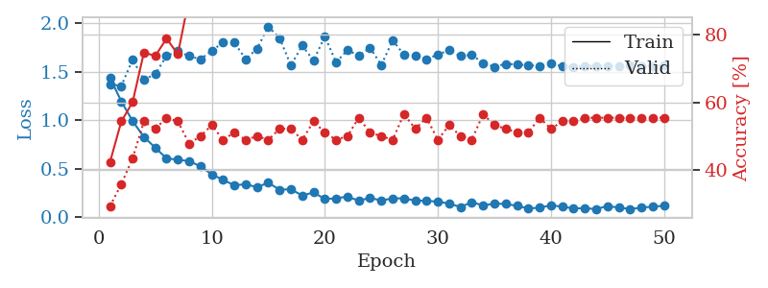
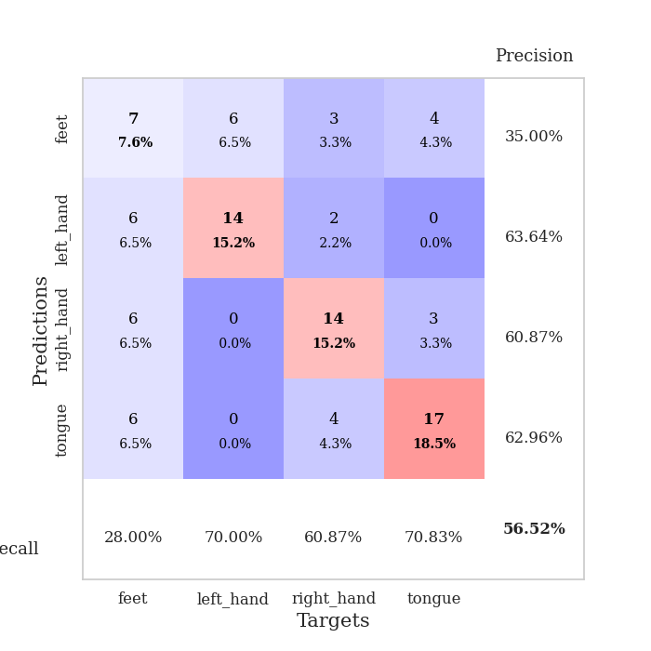
train_loss | valid_loss | train_accuracy | valid_accuracy | dur | train_misclass | valid_misclass
1.4383559642 | 1.3729955684 | 0.42391304348 | 0.29347826087 | 0.080536842346 | 42.391304348 | 29.347826087
1.1953474439 | 1.3540309823 | 0.54347826087 | 0.35869565217 | 0.079602956772 | 54.347826087 | 35.869565217
0.99097793258 | 1.6263535541 | 0.60054347826 | 0.4347826087 | 0.07887673378 | 60.054347826 | 43.47826087
0.82761632619 | 1.4180355901 | 0.7472826087 | 0.54347826087 | 0.079137325287 | 74.72826087 | 54.347826087
0.71693599354 | 1.4769112597 | 0.73641304348 | 0.52173913043 | 0.079346895218 | 73.641304348 | 52.173913043
0.60716064274 | 1.663890113 | 0.78804347826 | 0.55434782609 | 0.079052209854 | 78.804347826 | 55.434782609
0.5926514229 | 1.7125733028 | 0.74184782609 | 0.54347826087 | 0.079115152359 | 74.184782609 | 54.347826087
0.57890720989 | 1.6624972924 | 0.90760869565 | 0.47826086957 | 0.078960895538 | 90.760869565 | 47.826086957
0.5249498331 | 1.629865014 | 0.89130434783 | 0.5 | 0.078850507736 | 89.130434783 | 50
0.44219816573 | 1.7174757771 | 0.89945652174 | 0.53260869565 | 0.078810691833 | 89.945652174 | 53.260869565
0.38423549481 | 1.8035870661 | 0.91304347826 | 0.48913043478 | 0.078946590424 | 91.304347826 | 48.913043478
0.32915378103 | 1.8017061482 | 0.96739130435 | 0.51086956522 | 0.079303264618 | 96.739130435 | 51.086956522
0.33972524398 | 1.6298574054 | 0.98097826087 | 0.48913043478 | 0.079099655151 | 98.097826087 | 48.913043478
0.30974975423 | 1.7384339338 | 0.95652173913 | 0.5 | 0.079117536545 | 95.652173913 | 50
0.35508685915 | 1.9663414437 | 0.94565217391 | 0.48913043478 | 0.079149007797 | 94.565217391 | 48.913043478
0.28386214375 | 1.8493562807 | 0.97282608696 | 0.52173913043 | 0.079140901566 | 97.282608696 | 52.173913043
0.28760240324 | 1.5659630169 | 0.97826086957 | 0.52173913043 | 0.079018592834 | 97.826086957 | 52.173913043
0.22376648434 | 1.7714359216 | 0.99184782609 | 0.48913043478 | 0.078903913498 | 99.184782609 | 48.913043478
0.25486309162 | 1.6155175981 | 0.99184782609 | 0.54347826087 | 0.078829288483 | 99.184782609 | 54.347826087
0.18837280523 | 1.8651942974 | 0.95652173913 | 0.51086956522 | 0.079122543335 | 95.652173913 | 51.086956522
0.1933296433 | 1.5979379597 | 0.98641304348 | 0.48913043478 | 0.079081773758 | 98.641304348 | 48.913043478
0.2133219234 | 1.7242685738 | 0.99184782609 | 0.5 | 0.079283237457 | 99.184782609 | 50
0.16943029282 | 1.6674924895 | 0.9972826087 | 0.55434782609 | 0.079269170761 | 99.72826087 | 55.434782609
0.19981845468 | 1.7485819925 | 0.99184782609 | 0.51086956522 | 0.079094409943 | 99.184782609 | 51.086956522
0.171381636 | 1.5708038911 | 0.98913043478 | 0.5 | 0.079166650772 | 98.913043478 | 50
0.19462761591 | 1.8236649347 | 0.99456521739 | 0.48913043478 | 0.079017162323 | 99.456521739 | 48.913043478
0.1938261968 | 1.678352032 | 0.9972826087 | 0.5652173913 | 0.07924246788 | 99.72826087 | 56.52173913
0.17160027004 | 1.6668528033 | 1 | 0.52173913043 | 0.07967543602 | 100 | 52.173913043
0.16831631554 | 1.6299379623 | 1 | 0.55434782609 | 0.07917881012 | 100 | 55.434782609
0.16060035255 | 1.6783147921 | 1 | 0.48913043478 | 0.079373836517 | 100 | 48.913043478
0.14024006122 | 1.7232617995 | 1 | 0.53260869565 | 0.078794717789 | 100 | 53.260869565
0.10508356794 | 1.6620620334 | 0.9972826087 | 0.5 | 0.078715801239 | 99.72826087 | 50
0.15484559585 | 1.6764943626 | 0.99456521739 | 0.48913043478 | 0.078590631485 | 99.456521739 | 48.913043478
0.12131507371 | 1.5893556916 | 0.99456521739 | 0.5652173913 | 0.078944921494 | 99.456521739 | 56.52173913
0.13971129125 | 1.5523566759 | 1 | 0.53260869565 | 0.079590082169 | 100 | 53.260869565
0.13666124707 | 1.582052902 | 1 | 0.52173913043 | 0.079320669174 | 100 | 52.173913043
0.11670881311 | 1.5770756239 | 1 | 0.51086956522 | 0.079687595367 | 100 | 51.086956522
0.090828727728 | 1.567794932 | 1 | 0.51086956522 | 0.079445123672 | 100 | 51.086956522
0.097170144482 | 1.5625524858 | 1 | 0.55434782609 | 0.07967376709 | 100 | 55.434782609
0.12283329666 | 1.5860564838 | 1 | 0.52173913043 | 0.079425573349 | 100 | 52.173913043
0.10815848665 | 1.5570599411 | 1 | 0.54347826087 | 0.07938170433 | 100 | 54.347826087
0.090723760588 | 1.5518191768 | 1 | 0.54347826087 | 0.079412698746 | 100 | 54.347826087
0.092520848888 | 1.5574674425 | 1 | 0.55434782609 | 0.079568624496 | 100 | 55.434782609
0.083830003829 | 1.5620944008 | 1 | 0.55434782609 | 0.079572439194 | 100 | 55.434782609
0.11486301846 | 1.5621710342 | 1 | 0.55434782609 | 0.079730510712 | 100 | 55.434782609
0.098477317911 | 1.5604498127 | 1 | 0.55434782609 | 0.079687595367 | 100 | 55.434782609
0.084361000391 | 1.5627172771 | 1 | 0.55434782609 | 0.079770803452 | 100 | 55.434782609
0.097789982577 | 1.5616850257 | 1 | 0.55434782609 | 0.079578638077 | 100 | 55.434782609
0.10933155 | 1.5618664907 | 1 | 0.55434782609 | 0.079686641693 | 100 | 55.434782609
0.1168840764 | 1.5626416984 | 1 | 0.55434782609 | 0.079374313354 | 100 | 55.434782609

Best Val accuracy is 0.5652173913043478 and Best test accuracy is 0.6551724137931034

Sheet4
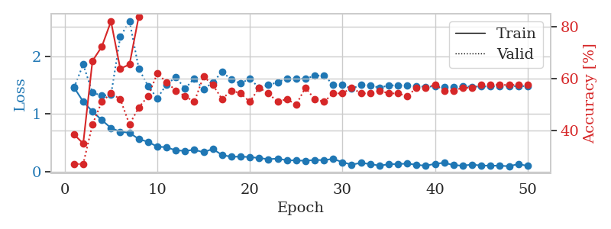
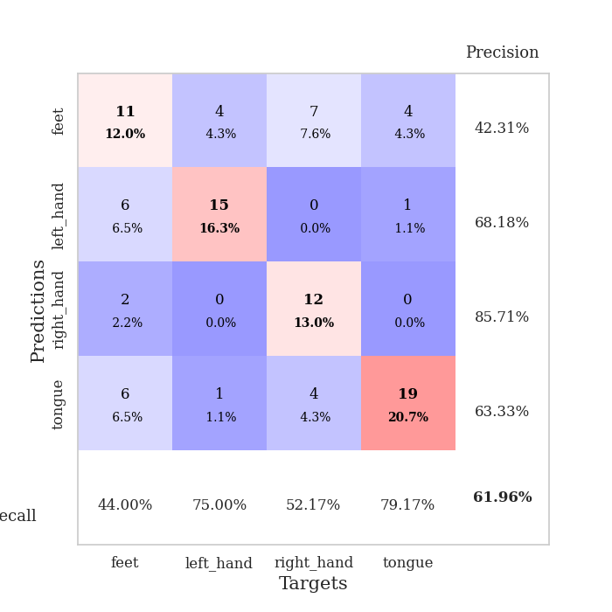
train_loss | valid_loss | train_accuracy | valid_accuracy | dur | train_misclass | valid_misclass
1.46434885 | 1.4548757232 | 0.38586956522 | 0.27173913043 | 0.080268859863 | 38.586956522 | 27.173913043
1.2136066634 | 1.8624042998 | 0.35054347826 | 0.27173913043 | 0.079214811325 | 35.054347826 | 27.173913043
1.0436499896 | 1.3702591554 | 0.66847826087 | 0.42391304348 | 0.08046746254 | 66.847826087 | 42.391304348
0.89457197034 | 1.3211338028 | 0.72282608696 | 0.51086956522 | 0.080157518387 | 72.282608696 | 51.086956522
0.75525872474 | 1.3298818132 | 0.82065217391 | 0.54347826087 | 0.079686641693 | 82.065217391 | 54.347826087
0.69015173031 | 2.3393108223 | 0.63858695652 | 0.52173913043 | 0.082180261612 | 63.858695652 | 52.173913043
0.67315142181 | 2.617381666 | 0.65489130435 | 0.42391304348 | 0.079332113266 | 65.489130435 | 42.391304348
0.5624412972 | 1.7902003008 | 0.83967391304 | 0.48913043478 | 0.079437732697 | 83.967391304 | 48.913043478
0.51481882256 | 1.4867267557 | 0.90489130435 | 0.53260869565 | 0.079130411148 | 90.489130435 | 53.260869565
0.43113791489 | 1.2726904206 | 0.94565217391 | 0.61956521739 | 0.07933473587 | 94.565217391 | 61.956521739
0.42056584164 | 1.5118768371 | 0.8722826087 | 0.58695652174 | 0.081259965897 | 87.22826087 | 58.695652174
0.36636458143 | 1.6396415648 | 0.92663043478 | 0.55434782609 | 0.079416275024 | 92.663043478 | 55.434782609
0.35828334223 | 1.440121205 | 0.97010869565 | 0.53260869565 | 0.079546928406 | 97.010869565 | 53.260869565
0.37480586573 | 1.6188868803 | 0.94836956522 | 0.51086956522 | 0.079689741135 | 94.836956522 | 51.086956522
0.3344777978 | 1.42455398 | 0.96195652174 | 0.60869565217 | 0.079483270645 | 96.195652174 | 60.869565217
0.39100140592 | 1.5512321462 | 0.9402173913 | 0.57608695652 | 0.079330682755 | 94.02173913 | 57.608695652
0.28517428624 | 1.7319230567 | 0.92119565217 | 0.52173913043 | 0.079596996307 | 92.119565217 | 52.173913043
0.25500826181 | 1.5989258911 | 0.98641304348 | 0.55434782609 | 0.079526662827 | 98.641304348 | 55.434782609
0.25753844238 | 1.5296179989 | 0.99456521739 | 0.54347826087 | 0.079469680786 | 99.456521739 | 54.347826087
0.24961352381 | 1.6170722091 | 0.98913043478 | 0.51086956522 | 0.079150438309 | 98.913043478 | 51.086956522
0.23347671986 | 1.4532541529 | 0.97826086957 | 0.5652173913 | 0.079334974289 | 97.826086957 | 56.52173913
0.2122822216 | 1.5024416291 | 0.98913043478 | 0.54347826087 | 0.079173803329 | 98.913043478 | 54.347826087
0.22349258771 | 1.5505536795 | 0.99456521739 | 0.51086956522 | 0.079275608063 | 99.456521739 | 51.086956522
0.19361594854 | 1.6189464668 | 1 | 0.52173913043 | 0.079418897629 | 100 | 52.173913043
0.1920185988 | 1.6080380834 | 0.99184782609 | 0.5 | 0.079459905624 | 99.184782609 | 50
0.18569050162 | 1.6153825029 | 0.9972826087 | 0.5652173913 | 0.079353570938 | 99.72826087 | 56.52173913
0.199291732 | 1.6620321688 | 0.9972826087 | 0.52173913043 | 0.082036495209 | 99.72826087 | 52.173913043
0.19601435433 | 1.6726167357 | 1 | 0.51086956522 | 0.079719305038 | 100 | 51.086956522
0.21911075711 | 1.5094499847 | 1 | 0.54347826087 | 0.079362869263 | 100 | 54.347826087
0.15938593156 | 1.5054140091 | 1 | 0.54347826087 | 0.079529523849 | 100 | 54.347826087
0.11915938054 | 1.4394825256 | 1 | 0.5652173913 | 0.079511165619 | 100 | 56.52173913
0.14791330404 | 1.5061703609 | 0.9972826087 | 0.54347826087 | 0.0795545578 | 99.72826087 | 54.347826087
0.12845604478 | 1.4958048852 | 1 | 0.54347826087 | 0.079408168793 | 100 | 54.347826087
0.10024123283 | 1.4594202456 | 1 | 0.55434782609 | 0.079666614532 | 100 | 55.434782609
0.12423367385 | 1.4942691067 | 1 | 0.54347826087 | 0.079577922821 | 100 | 54.347826087
0.12761052722 | 1.5000455431 | 1 | 0.54347826087 | 0.079374551773 | 100 | 54.347826087
0.13678011428 | 1.4923960178 | 1 | 0.53260869565 | 0.079466581345 | 100 | 53.260869565
0.11519761513 | 1.4827095633 | 1 | 0.5652173913 | 0.079494953156 | 100 | 56.52173913
0.098392762932 | 1.472335349 | 1 | 0.5652173913 | 0.079435348511 | 100 | 56.52173913
0.13299762012 | 1.4796620633 | 1 | 0.57608695652 | 0.079473495483 | 100 | 57.608695652
0.14994284349 | 1.4666820609 | 1 | 0.55434782609 | 0.079394340515 | 100 | 55.434782609
0.1093092266 | 1.4640620558 | 1 | 0.55434782609 | 0.079429626465 | 100 | 55.434782609
0.10032699743 | 1.4800345457 | 1 | 0.5652173913 | 0.0793633461 | 100 | 56.52173913
0.11921884403 | 1.4751005561 | 1 | 0.5652173913 | 0.079345941544 | 100 | 56.52173913
0.10166001615 | 1.4765927662 | 1 | 0.57608695652 | 0.079458713531 | 100 | 57.608695652
0.10074467139 | 1.4805932071 | 1 | 0.57608695652 | 0.079498767853 | 100 | 57.608695652
0.098829632139 | 1.4820655403 | 1 | 0.57608695652 | 0.079436779022 | 100 | 57.608695652
0.090534857272 | 1.4830722083 | 1 | 0.57608695652 | 0.079415798187 | 100 | 57.608695652
0.12773370346 | 1.4832168144 | 1 | 0.57608695652 | 0.079534292221 | 100 | 57.608695652
0.096754761818 | 1.4843618118 | 1 | 0.57608695652 | 0.079409837723 | 100 | 57.608695652

Best Val accuracy is 0.6195652173913043 and Best test accuracy is 0.6206896551724138

Sheet5
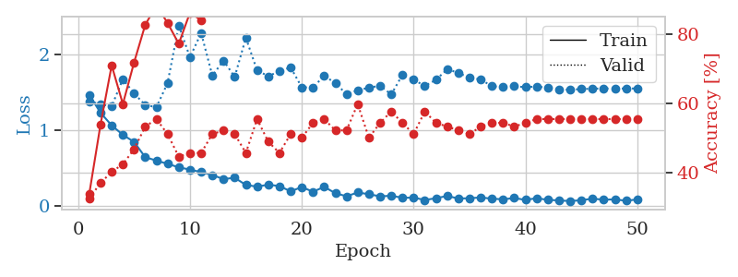
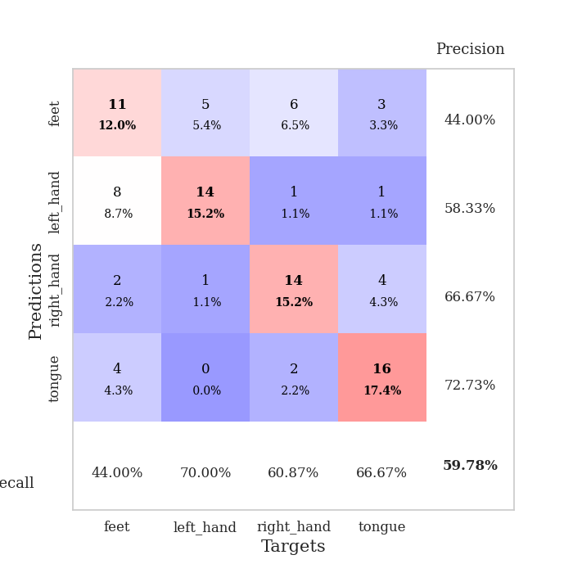
train_loss | valid_loss | train_accuracy | valid_accuracy | dur | train_misclass | valid_misclass
1.4669762176 | 1.3826028005 | 0.33967391304 | 0.32608695652 | 0.079922437668 | 33.967391304 | 32.608695652
1.2319638703 | 1.343265777 | 0.53804347826 | 0.36956521739 | 0.079113006592 | 53.804347826 | 36.956521739
1.065619632 | 1.3186405172 | 0.70923913043 | 0.40217391304 | 0.079138755798 | 70.923913043 | 40.217391304
0.9410298078 | 1.6738354849 | 0.59782608696 | 0.42391304348 | 0.078898906708 | 59.782608696 | 42.391304348
0.84773436059 | 1.4857969828 | 0.71739130435 | 0.46739130435 | 0.079097032547 | 71.739130435 | 46.739130435
0.64711124871 | 1.3343627271 | 0.82608695652 | 0.53260869565 | 0.079746961594 | 82.608695652 | 53.260869565
0.60135710369 | 1.3043956472 | 0.88315217391 | 0.55434782609 | 0.079168319702 | 88.315217391 | 55.434782609
0.55921721718 | 1.6236195538 | 0.83152173913 | 0.51086956522 | 0.079189300537 | 83.152173913 | 51.086956522
0.51331419141 | 2.3818106651 | 0.77173913043 | 0.44565217391 | 0.079345703125 | 77.173913043 | 44.565217391
0.48321204082 | 1.9622490043 | 0.86141304348 | 0.45652173913 | 0.079498052597 | 86.141304348 | 45.652173913
0.45033568921 | 2.281787354 | 0.83967391304 | 0.45652173913 | 0.079453706741 | 83.967391304 | 45.652173913
0.41230417335 | 1.720022046 | 0.94565217391 | 0.51086956522 | 0.079550504684 | 94.565217391 | 51.086956522
0.35785794517 | 1.9186556417 | 0.93206521739 | 0.52173913043 | 0.07950091362 | 93.206521739 | 52.173913043
0.37614830486 | 1.7044700773 | 0.94565217391 | 0.51086956522 | 0.079463481903 | 94.565217391 | 51.086956522
0.28090301966 | 2.2178860099 | 0.88315217391 | 0.45652173913 | 0.079913377762 | 88.315217391 | 45.652173913
0.25897989552 | 1.79074028 | 0.97010869565 | 0.55434782609 | 0.079486608505 | 97.010869565 | 55.434782609
0.2845576629 | 1.7132252118 | 0.96467391304 | 0.48913043478 | 0.079579114914 | 96.467391304 | 48.913043478
0.26654373692 | 1.778271942 | 0.97826086957 | 0.45652173913 | 0.079596757889 | 97.826086957 | 45.652173913
0.19716620218 | 1.8293404812 | 0.97010869565 | 0.51086956522 | 0.079475164413 | 97.010869565 | 51.086956522
0.25369356054 | 1.5673876301 | 0.99184782609 | 0.5 | 0.079552650452 | 99.184782609 | 50
0.1915885568 | 1.563481406 | 1 | 0.54347826087 | 0.079679727554 | 100 | 54.347826087
0.2561422959 | 1.7197552764 | 0.98641304348 | 0.55434782609 | 0.079000711441 | 98.641304348 | 55.434782609
0.17291475687 | 1.6213792899 | 0.9972826087 | 0.52173913043 | 0.079302549362 | 99.72826087 | 52.173913043
0.13183935246 | 1.4772906252 | 1 | 0.52173913043 | 0.079105138779 | 100 | 52.173913043
0.18196911543 | 1.5262428561 | 0.9972826087 | 0.59782608696 | 0.079313993454 | 99.72826087 | 59.782608696
0.15899779469 | 1.561988079 | 1 | 0.5 | 0.079749584198 | 100 | 50
0.13123371193 | 1.587440584 | 0.9972826087 | 0.54347826087 | 0.079578638077 | 99.72826087 | 54.347826087
0.13892774041 | 1.472707164 | 1 | 0.57608695652 | 0.079579353333 | 100 | 57.608695652
0.112345247 | 1.7304945381 | 0.99456521739 | 0.54347826087 | 0.079263448715 | 99.456521739 | 54.347826087
0.11412510786 | 1.6674786236 | 0.9972826087 | 0.51086956522 | 0.079439640045 | 99.72826087 | 51.086956522
0.083435703879 | 1.5843212928 | 1 | 0.57608695652 | 0.079239845276 | 100 | 57.608695652
0.10610050157 | 1.6652186163 | 1 | 0.54347826087 | 0.079572677612 | 100 | 54.347826087
0.13629419097 | 1.8038270655 | 1 | 0.53260869565 | 0.079498529434 | 100 | 53.260869565
0.10266341253 | 1.7583313895 | 1 | 0.52173913043 | 0.07958650589 | 100 | 52.173913043
0.10600341905 | 1.6894576161 | 1 | 0.51086956522 | 0.082488775253 | 100 | 51.086956522
0.11657356811 | 1.670340113 | 1 | 0.53260869565 | 0.079840898514 | 100 | 53.260869565
0.10014640248 | 1.5804580929 | 1 | 0.54347826087 | 0.079126358032 | 100 | 54.347826087
0.092073659413 | 1.5719352611 | 1 | 0.54347826087 | 0.078852653503 | 100 | 54.347826087
0.10853805668 | 1.579953261 | 1 | 0.53260869565 | 0.078953027725 | 100 | 53.260869565
0.084537237397 | 1.5683240165 | 1 | 0.54347826087 | 0.079022169113 | 100 | 54.347826087
0.10653555393 | 1.5779861886 | 1 | 0.55434782609 | 0.07914352417 | 100 | 55.434782609
0.085046873954 | 1.5607935333 | 1 | 0.55434782609 | 0.079014778137 | 100 | 55.434782609
0.077245215237 | 1.537367283 | 1 | 0.55434782609 | 0.079361438751 | 100 | 55.434782609
0.069152103899 | 1.5348105068 | 1 | 0.55434782609 | 0.079111337662 | 100 | 55.434782609
0.080222435093 | 1.5433741354 | 1 | 0.55434782609 | 0.07893037796 | 100 | 55.434782609
0.10064858609 | 1.5490961243 | 1 | 0.55434782609 | 0.078796386719 | 100 | 55.434782609
0.086748317694 | 1.5513511857 | 1 | 0.55434782609 | 0.078905582428 | 100 | 55.434782609
0.091378295632 | 1.5506041465 | 1 | 0.55434782609 | 0.079432725906 | 100 | 55.434782609
0.072861705299 | 1.5507167176 | 1 | 0.55434782609 | 0.078944206238 | 100 | 55.434782609
0.090635698613 | 1.5514354226 | 1 | 0.55434782609 | 0.078985929489 | 100 | 55.434782609

Best Val accuracy is 0.5978260869565217 and Best test accuracy is 0.6293103448275862

Sheet6
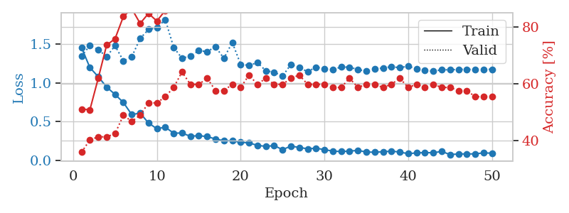
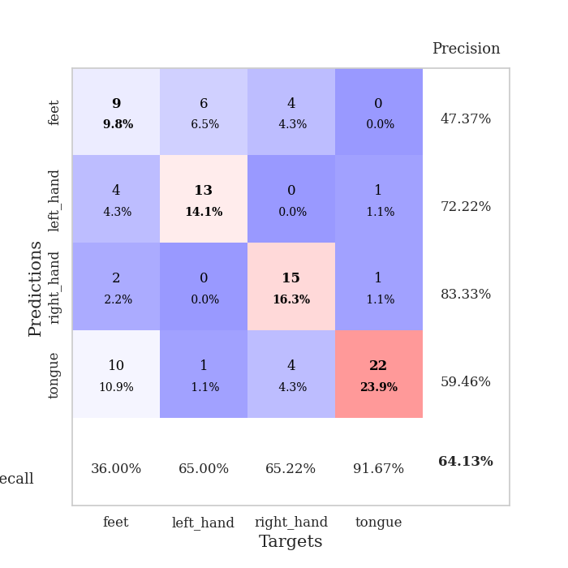
train_loss | valid_loss | train_accuracy | valid_accuracy | dur | train_misclass | valid_misclass
1.4555624412 | 1.3444002089 | 0.51086956522 | 0.35869565217 | 0.080385446548 | 51.086956522 | 35.869565217
1.1968612982 | 1.4817522661 | 0.50815217391 | 0.40217391304 | 0.079411745071 | 50.815217391 | 40.217391304
1.078568018 | 1.4286874299 | 0.61956521739 | 0.41304347826 | 0.078987836838 | 61.956521739 | 41.304347826
0.9453297983 | 1.3377342069 | 0.73641304348 | 0.41304347826 | 0.078990459442 | 73.641304348 | 41.304347826
0.85079575362 | 1.4784727071 | 0.75815217391 | 0.42391304348 | 0.081546068192 | 75.815217391 | 42.391304348
0.74569706684 | 1.284484161 | 0.83695652174 | 0.48913043478 | 0.079314947128 | 83.695652174 | 48.913043478
0.58982251455 | 1.3351887413 | 0.86413043478 | 0.46739130435 | 0.079875946045 | 86.413043478 | 46.739130435
0.60946281449 | 1.5726051771 | 0.8125 | 0.48913043478 | 0.080438613892 | 81.25 | 48.913043478
0.48111703344 | 1.6889934203 | 0.84782608696 | 0.53260869565 | 0.081466197968 | 84.782608696 | 53.260869565
0.40733430567 | 1.7094351701 | 0.82065217391 | 0.53260869565 | 0.083236694336 | 82.065217391 | 53.260869565
0.42740760517 | 1.8171898282 | 0.85869565217 | 0.55434782609 | 0.080421924591 | 85.869565217 | 55.434782609
0.35004959093 | 1.457977418 | 0.9347826087 | 0.58695652174 | 0.080142259598 | 93.47826087 | 58.695652174
0.3522105677 | 1.316883577 | 0.96467391304 | 0.64130434783 | 0.080039262772 | 96.467391304 | 64.130434783
0.30909448797 | 1.3474533675 | 0.97010869565 | 0.59782608696 | 0.080179691315 | 97.010869565 | 59.782608696
0.31864059716 | 1.4145420867 | 0.96195652174 | 0.59782608696 | 0.079785585403 | 96.195652174 | 59.782608696
0.30545198723 | 1.4041532058 | 0.9347826087 | 0.61956521739 | 0.079952478409 | 93.47826087 | 61.956521739
0.27538330529 | 1.4645164272 | 0.95108695652 | 0.57608695652 | 0.08008646965 | 95.108695652 | 57.608695652
0.25135801255 | 1.3163469693 | 0.98369565217 | 0.57608695652 | 0.079812765121 | 98.369565217 | 57.608695652
0.2517911361 | 1.5225231155 | 0.95380434783 | 0.59782608696 | 0.08006811142 | 95.380434783 | 59.782608696
0.23331116334 | 1.2383460986 | 0.98097826087 | 0.58695652174 | 0.079952955246 | 98.097826087 | 58.695652174
0.22427758801 | 1.2252188351 | 0.99184782609 | 0.63043478261 | 0.080228567123 | 99.184782609 | 63.043478261
0.19314399443 | 1.2603556915 | 0.96195652174 | 0.59782608696 | 0.080340147018 | 96.195652174 | 59.782608696
0.17978637876 | 1.1568917697 | 1 | 0.61956521739 | 0.079675912857 | 100 | 61.956521739
0.18941010794 | 1.1366175439 | 0.9972826087 | 0.59782608696 | 0.079891681671 | 99.72826087 | 59.782608696
0.13773276689 | 1.0861920883 | 1 | 0.59782608696 | 0.079782247543 | 100 | 59.782608696
0.18261036001 | 1.2382231432 | 1 | 0.61956521739 | 0.079778671265 | 100 | 61.956521739
0.16628702293 | 1.1953768316 | 0.9972826087 | 0.63043478261 | 0.079771995544 | 99.72826087 | 63.043478261
0.1481387727 | 1.145079763 | 0.9972826087 | 0.59782608696 | 0.079838752747 | 99.72826087 | 59.782608696
0.15652334172 | 1.202207542 | 1 | 0.59782608696 | 0.079502344131 | 100 | 59.782608696
0.13723022758 | 1.1823596306 | 1 | 0.59782608696 | 0.079422473907 | 100 | 59.782608696
0.11886850356 | 1.1728606872 | 0.9972826087 | 0.58695652174 | 0.079413890839 | 99.72826087 | 58.695652174
0.11281829522 | 1.2034553043 | 1 | 0.58695652174 | 0.07980465889 | 100 | 58.695652174
0.118987311 | 1.202645478 | 1 | 0.61956521739 | 0.07950592041 | 100 | 61.956521739
0.12754917874 | 1.1715092555 | 1 | 0.58695652174 | 0.07975935936 | 100 | 58.695652174
0.10696518664 | 1.1514451413 | 1 | 0.59782608696 | 0.079775571823 | 100 | 59.782608696
0.10394366758 | 1.1778126838 | 1 | 0.59782608696 | 0.079894781113 | 100 | 59.782608696
0.11061216713 | 1.1927164029 | 1 | 0.58695652174 | 0.079993963242 | 100 | 58.695652174
0.11812480037 | 1.2080514172 | 1 | 0.59782608696 | 0.080502271652 | 100 | 59.782608696
0.1064374395 | 1.19527887 | 1 | 0.61956521739 | 0.083083629608 | 100 | 61.956521739
0.085038278009 | 1.2152126548 | 1 | 0.58695652174 | 0.080660581589 | 100 | 58.695652174
0.095553072736 | 1.1802667055 | 1 | 0.59782608696 | 0.084952354431 | 100 | 59.782608696
0.099256454926 | 1.1593346829 | 1 | 0.58695652174 | 0.081521511078 | 100 | 58.695652174
0.096902340124 | 1.1502734889 | 1 | 0.59782608696 | 0.080603837967 | 100 | 59.782608696
0.11475639013 | 1.1685882599 | 1 | 0.58695652174 | 0.080141544342 | 100 | 58.695652174
0.073455401332 | 1.1679701779 | 1 | 0.58695652174 | 0.0814037323 | 100 | 58.695652174
0.082234269251 | 1.1733587073 | 1 | 0.57608695652 | 0.079976320267 | 100 | 57.608695652
0.081618493666 | 1.1736076578 | 1 | 0.57608695652 | 0.079436302185 | 100 | 57.608695652
0.083322029399 | 1.1733167042 | 1 | 0.55434782609 | 0.07984662056 | 100 | 55.434782609
0.095505776005 | 1.1737251308 | 1 | 0.55434782609 | 0.07963347435 | 100 | 55.434782609
0.091758880035 | 1.175023605 | 1 | 0.55434782609 | 0.079714536667 | 100 | 55.434782609

Best Val accuracy is 0.6413043478260869 and Best test accuracy is 0.6551724137931034

Sheet7
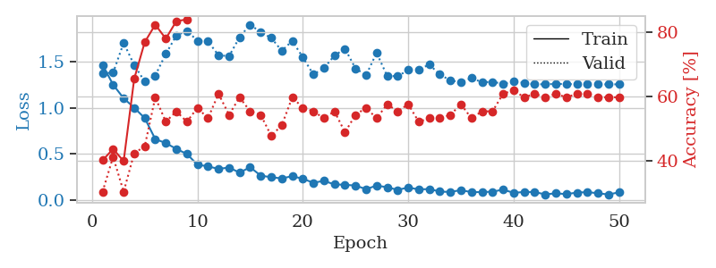
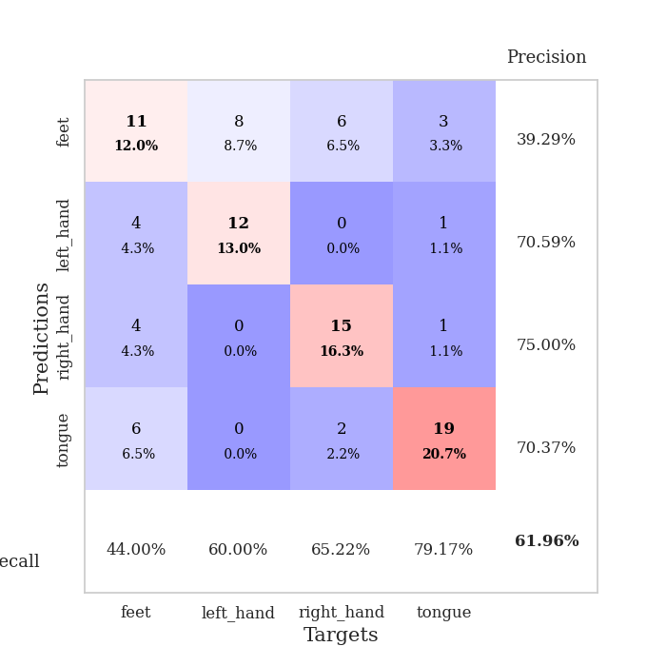
train_loss | valid_loss | train_accuracy | valid_accuracy | dur | train_misclass | valid_misclass
1.4659991472 | 1.3748385232 | 0.40217391304 | 0.30434782609 | 0.079873323441 | 40.217391304 | 30.434782609
1.2499883175 | 1.3800556297 | 0.4375 | 0.41304347826 | 0.078597068787 | 43.75 | 41.304347826
1.1031389314 | 1.7034340475 | 0.39945652174 | 0.30434782609 | 0.07869052887 | 39.945652174 | 30.434782609
1.0005980186 | 1.4630570774 | 0.65489130435 | 0.42391304348 | 0.079006671906 | 65.489130435 | 42.391304348
0.88798951066 | 1.283992135 | 0.76902173913 | 0.44565217391 | 0.079404354095 | 76.902173913 | 44.565217391
0.66022285171 | 1.3493767925 | 0.82336956522 | 0.59782608696 | 0.079290390015 | 82.336956522 | 59.782608696
0.61733869172 | 1.5837928679 | 0.77989130435 | 0.52173913043 | 0.079317331314 | 77.989130435 | 52.173913043
0.55403240414 | 1.7829435494 | 0.83423913043 | 0.55434782609 | 0.079112529755 | 83.423913043 | 55.434782609
0.4991067771 | 1.833745547 | 0.83967391304 | 0.52173913043 | 0.079709529877 | 83.967391304 | 52.173913043
0.3832612543 | 1.7275579287 | 0.90217391304 | 0.5652173913 | 0.079374074936 | 90.217391304 | 56.52173913
0.36463661038 | 1.720426264 | 0.90489130435 | 0.53260869565 | 0.07914853096 | 90.489130435 | 53.260869565
0.33753020284 | 1.569185967 | 0.9347826087 | 0.60869565217 | 0.079162359238 | 93.47826087 | 60.869565217
0.35226365146 | 1.5598041182 | 0.94836956522 | 0.54347826087 | 0.079271793365 | 94.836956522 | 54.347826087
0.29652299521 | 1.7648979063 | 0.95380434783 | 0.59782608696 | 0.079209804535 | 95.380434783 | 59.782608696
0.35611766188 | 1.9017760961 | 0.9375 | 0.55434782609 | 0.079561710358 | 93.75 | 55.434782609
0.26480562888 | 1.8187080414 | 0.95923913043 | 0.54347826087 | 0.078731060028 | 95.923913043 | 54.347826087
0.24695505007 | 1.7576841634 | 0.98641304348 | 0.47826086957 | 0.078916072845 | 98.641304348 | 47.826086957
0.23437219988 | 1.6180102773 | 0.99184782609 | 0.51086956522 | 0.079050302505 | 99.184782609 | 51.086956522
0.25870158847 | 1.7246103131 | 0.94836956522 | 0.59782608696 | 0.079198122025 | 94.836956522 | 59.782608696
0.22997919017 | 1.5471292941 | 0.98641304348 | 0.5652173913 | 0.079310655594 | 98.641304348 | 56.52173913
0.18738170616 | 1.3607818614 | 0.9972826087 | 0.55434782609 | 0.079167842865 | 99.72826087 | 55.434782609
0.20751378037 | 1.4287376767 | 0.99456521739 | 0.53260869565 | 0.08002114296 | 99.456521739 | 53.260869565
0.1692893314 | 1.5663641277 | 0.99184782609 | 0.55434782609 | 0.079790592194 | 99.184782609 | 55.434782609
0.16526825337 | 1.6397491227 | 0.99456521739 | 0.48913043478 | 0.080347537994 | 99.456521739 | 48.913043478
0.15653284088 | 1.4265472319 | 0.9972826087 | 0.54347826087 | 0.078778028488 | 99.72826087 | 54.347826087
0.11800532229 | 1.3528124457 | 0.99184782609 | 0.5652173913 | 0.078920841217 | 99.184782609 | 56.52173913
0.15657854404 | 1.5955915969 | 0.98641304348 | 0.53260869565 | 0.078954935074 | 98.641304348 | 53.260869565
0.13868133335 | 1.3451067831 | 1 | 0.57608695652 | 0.079008579254 | 100 | 57.608695652
0.10983508906 | 1.341990388 | 0.9972826087 | 0.55434782609 | 0.078983783722 | 99.72826087 | 55.434782609
0.13605515343 | 1.4085948726 | 1 | 0.57608695652 | 0.079221725464 | 100 | 57.608695652
0.11440720482 | 1.4162303209 | 1 | 0.52173913043 | 0.079313755035 | 100 | 52.173913043
0.11951055604 | 1.4673082984 | 1 | 0.53260869565 | 0.079741477966 | 100 | 53.260869565
0.091100130878 | 1.3615959468 | 1 | 0.53260869565 | 0.079508304596 | 100 | 53.260869565
0.087689966449 | 1.2955746651 | 1 | 0.54347826087 | 0.07954788208 | 100 | 54.347826087
0.10760324108 | 1.2775126488 | 1 | 0.57608695652 | 0.079278469086 | 100 | 57.608695652
0.084824047659 | 1.3224247331 | 0.9972826087 | 0.53260869565 | 0.078943967819 | 99.72826087 | 53.260869565
0.086580036653 | 1.2762242296 | 1 | 0.55434782609 | 0.078970432281 | 100 | 55.434782609
0.089860784943 | 1.2815191279 | 1 | 0.55434782609 | 0.079235553741 | 100 | 55.434782609
0.11326112096 | 1.2597464012 | 1 | 0.60869565217 | 0.079237699509 | 100 | 60.869565217
0.077337619646 | 1.2827357002 | 1 | 0.61956521739 | 0.07914185524 | 100 | 61.956521739
0.087546091122 | 1.2709497732 | 1 | 0.59782608696 | 0.079425096512 | 100 | 59.782608696
0.086306122577 | 1.2535026747 | 1 | 0.60869565217 | 0.079135894775 | 100 | 60.869565217
0.060706739638 | 1.2555970886 | 1 | 0.59782608696 | 0.079690217972 | 100 | 59.782608696
0.073158382843 | 1.2578702439 | 1 | 0.60869565217 | 0.079776763916 | 100 | 60.869565217
0.063668898428 | 1.2583122616 | 1 | 0.59782608696 | 0.079886674881 | 100 | 59.782608696
0.080796803874 | 1.2540628236 | 1 | 0.60869565217 | 0.079646110535 | 100 | 60.869565217
0.0856617481 | 1.2537042525 | 1 | 0.60869565217 | 0.079829931259 | 100 | 60.869565217
0.073582530447 | 1.2540204577 | 1 | 0.59782608696 | 0.079477787018 | 100 | 59.782608696
0.059655326662 | 1.2540021357 | 1 | 0.59782608696 | 0.079483985901 | 100 | 59.782608696
0.083946507748 | 1.2543325061 | 1 | 0.59782608696 | 0.086461305618 | 100 | 59.782608696

Best Val accuracy is 0.6195652173913043 and Best test accuracy is 0.6810344827586207

Sheet8
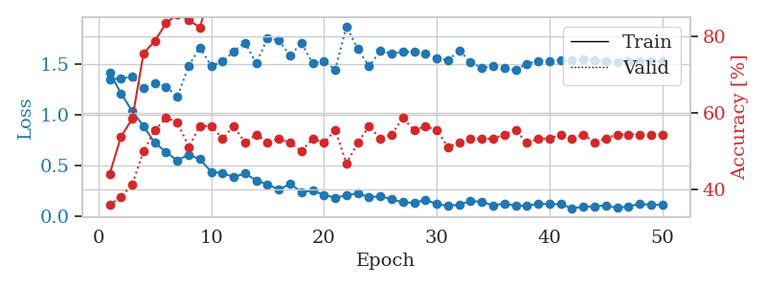
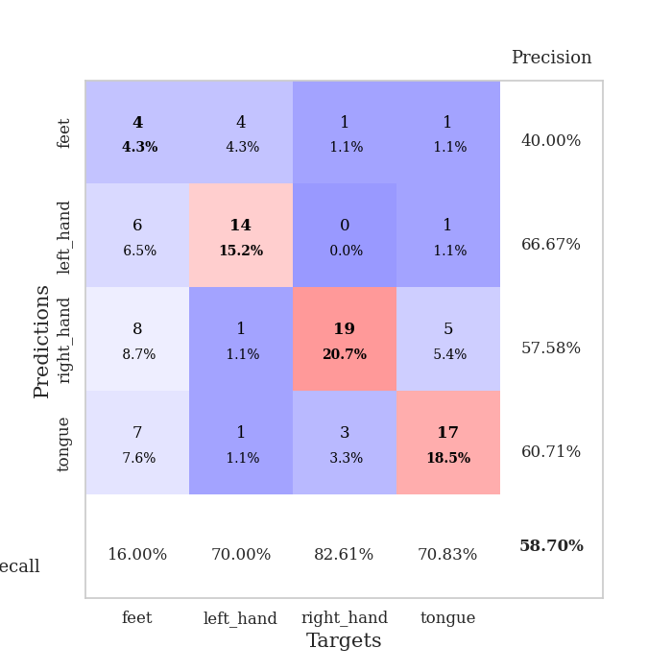
train_loss | valid_loss | train_accuracy | valid_accuracy | dur | train_misclass | valid_misclass
1.4148079727 | 1.3482806527 | 0.4402173913 | 0.35869565217 | 0.081260204315 | 44.02173913 | 35.869565217
1.2101098299 | 1.3588258546 | 0.53804347826 | 0.38043478261 | 0.083174705505 | 53.804347826 | 38.043478261
1.032904472 | 1.3742327872 | 0.58423913043 | 0.41304347826 | 0.079250335693 | 58.423913043 | 41.304347826
0.88648802819 | 1.2590227594 | 0.75543478261 | 0.5 | 0.079832315445 | 75.543478261 | 50
0.72352784354 | 1.3077537754 | 0.78804347826 | 0.55434782609 | 0.079444646835 | 78.804347826 | 55.434782609
0.6297303205 | 1.2766985686 | 0.83423913043 | 0.58695652174 | 0.079348087311 | 83.423913043 | 58.695652174
0.54947741718 | 1.1775858039 | 0.85869565217 | 0.57608695652 | 0.08250451088 | 85.869565217 | 57.608695652
0.60628132133 | 1.4804030968 | 0.84239130435 | 0.51086956522 | 0.079360723495 | 84.239130435 | 51.086956522
0.56049627195 | 1.6629233697 | 0.82336956522 | 0.5652173913 | 0.079463720322 | 82.336956522 | 56.52173913
0.43771359972 | 1.4812052328 | 0.92663043478 | 0.5652173913 | 0.079511165619 | 92.663043478 | 56.52173913
0.42487201613 | 1.5231512578 | 0.91032608696 | 0.53260869565 | 0.079501152039 | 91.032608696 | 53.260869565
0.38463098977 | 1.6259457806 | 0.90489130435 | 0.5652173913 | 0.07941865921 | 90.489130435 | 56.52173913
0.42058276288 | 1.7110820827 | 0.90217391304 | 0.52173913043 | 0.079574108124 | 90.217391304 | 52.173913043
0.35281600771 | 1.5055204837 | 0.97282608696 | 0.54347826087 | 0.079312562943 | 97.282608696 | 54.347826087
0.31315155457 | 1.756543626 | 0.96195652174 | 0.52173913043 | 0.079246997833 | 96.195652174 | 52.173913043
0.26091194088 | 1.7321776722 | 0.96739130435 | 0.53260869565 | 0.079392433167 | 96.739130435 | 53.260869565
0.31837762342 | 1.5808442054 | 0.99184782609 | 0.52173913043 | 0.079367160797 | 99.184782609 | 52.173913043
0.23693331752 | 1.7078361874 | 0.9347826087 | 0.5 | 0.079448699951 | 93.47826087 | 50
0.25183753653 | 1.5053700831 | 0.98369565217 | 0.53260869565 | 0.079401254654 | 98.369565217 | 53.260869565
0.21013509417 | 1.5275743267 | 0.99184782609 | 0.52173913043 | 0.079382896423 | 99.184782609 | 52.173913043
0.18134859334 | 1.4457089979 | 0.98913043478 | 0.55434782609 | 0.078854084015 | 98.913043478 | 55.434782609
0.20507501131 | 1.8714442357 | 0.94836956522 | 0.46739130435 | 0.078775644302 | 94.836956522 | 46.739130435
0.22677534802 | 1.646610019 | 0.99456521739 | 0.52173913043 | 0.078943967819 | 99.456521739 | 52.173913043
0.18593468177 | 1.477704766 | 1 | 0.5652173913 | 0.079078435898 | 100 | 56.52173913
0.19751444346 | 1.6283702125 | 0.9972826087 | 0.53260869565 | 0.081819534302 | 99.72826087 | 53.260869565
0.16506363063 | 1.6018692566 | 0.99456521739 | 0.54347826087 | 0.080817937851 | 99.456521739 | 54.347826087
0.13743309571 | 1.6229624904 | 1 | 0.58695652174 | 0.080073356628 | 100 | 58.695652174
0.13029130176 | 1.6186072775 | 0.9972826087 | 0.55434782609 | 0.079847574234 | 99.72826087 | 55.434782609
0.16074567644 | 1.6025089077 | 0.9972826087 | 0.5652173913 | 0.080361127853 | 99.72826087 | 56.52173913
0.11826018876 | 1.559541526 | 1 | 0.55434782609 | 0.080287218094 | 100 | 55.434782609
0.10057793817 | 1.535396125 | 1 | 0.51086956522 | 0.080306529999 | 100 | 51.086956522
0.11242256532 | 1.6331332611 | 1 | 0.52173913043 | 0.080169439316 | 100 | 52.173913043
0.15065178048 | 1.5186236734 | 1 | 0.53260869565 | 0.080163240433 | 100 | 53.260869565
0.13954098668 | 1.4595747486 | 1 | 0.53260869565 | 0.080344200134 | 100 | 53.260869565
0.10716882915 | 1.4828647297 | 1 | 0.53260869565 | 0.080319404602 | 100 | 53.260869565
0.12372048588 | 1.4576124601 | 1 | 0.54347826087 | 0.080267906189 | 100 | 54.347826087
0.10304241271 | 1.440169521 | 1 | 0.55434782609 | 0.081137418747 | 100 | 55.434782609
0.10170514614 | 1.5026753467 | 1 | 0.52173913043 | 0.07945561409 | 100 | 52.173913043
0.12111163423 | 1.5311750821 | 1 | 0.53260869565 | 0.079456329346 | 100 | 53.260869565
0.11867477016 | 1.5285567849 | 1 | 0.53260869565 | 0.079350948334 | 100 | 53.260869565
0.11718838451 | 1.5371357876 | 1 | 0.54347826087 | 0.07936000824 | 100 | 54.347826087
0.077144404509 | 1.5381073148 | 1 | 0.53260869565 | 0.079909563065 | 100 | 53.260869565
0.092469444417 | 1.5422630336 | 1 | 0.54347826087 | 0.079907655716 | 100 | 54.347826087
0.095830545396 | 1.5352565491 | 1 | 0.52173913043 | 0.080157756805 | 100 | 52.173913043
0.10605399307 | 1.5273667107 | 1 | 0.53260869565 | 0.080164432526 | 100 | 53.260869565
0.080056563506 | 1.5223687835 | 1 | 0.54347826087 | 0.08029961586 | 100 | 54.347826087
0.097462622773 | 1.525534565 | 1 | 0.54347826087 | 0.080192565918 | 100 | 54.347826087
0.11859125838 | 1.5274556227 | 1 | 0.54347826087 | 0.080344200134 | 100 | 54.347826087
0.111978159 | 1.528260739 | 1 | 0.54347826087 | 0.080439329147 | 100 | 54.347826087
0.11248962184 | 1.5294726698 | 1 | 0.54347826087 | 0.080137014389 | 100 | 54.347826087

Best Val accuracy is 0.5869565217391305 and Best test accuracy is 0.5862068965517241

Sheet9
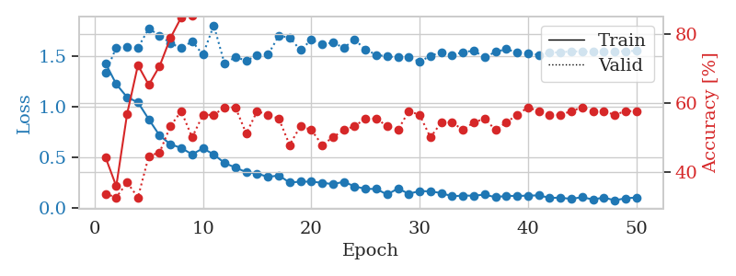
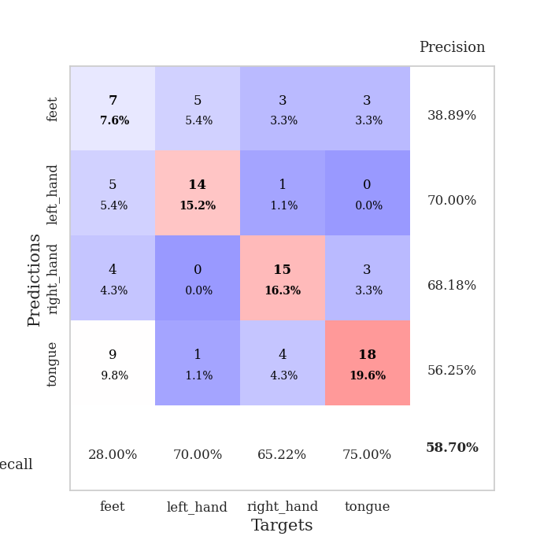
train_loss | valid_loss | train_accuracy | valid_accuracy | dur | train_misclass | valid_misclass
1.4331015504 | 1.3347606814 | 0.44293478261 | 0.33695652174 | 0.080259799957 | 44.293478261 | 33.695652174
1.2247294628 | 1.5870862266 | 0.35869565217 | 0.32608695652 | 0.079027175903 | 35.869565217 | 32.608695652
1.0957636807 | 1.5921501129 | 0.56793478261 | 0.36956521739 | 0.079328536987 | 56.793478261 | 36.956521739
1.0450794593 | 1.5854848831 | 0.70923913043 | 0.32608695652 | 0.079832315445 | 70.923913043 | 32.608695652
0.87761142202 | 1.7736784738 | 0.65217391304 | 0.44565217391 | 0.079105138779 | 65.217391304 | 44.565217391
0.71694990863 | 1.7063593191 | 0.70652173913 | 0.45652173913 | 0.079592704773 | 70.652173913 | 45.652173913
0.63072642295 | 1.6309765163 | 0.78804347826 | 0.53260869565 | 0.079546689987 | 78.804347826 | 53.260869565
0.59367773973 | 1.5809073863 | 0.84782608696 | 0.57608695652 | 0.079640388489 | 84.782608696 | 57.608695652
0.53104906367 | 1.6479393451 | 0.85326086957 | 0.5 | 0.079635620117 | 85.326086957 | 50
0.58967042099 | 1.5165230917 | 0.88315217391 | 0.5652173913 | 0.079398870468 | 88.315217391 | 56.52173913
0.52985480557 | 1.8067316024 | 0.89130434783 | 0.5652173913 | 0.07900929451 | 89.130434783 | 56.52173913
0.44483937777 | 1.4253379962 | 0.92663043478 | 0.58695652174 | 0.079195261002 | 92.663043478 | 58.695652174
0.39970794223 | 1.4935185391 | 0.93206521739 | 0.58695652174 | 0.079611301422 | 93.206521739 | 58.695652174
0.35465200958 | 1.4567227934 | 0.9375 | 0.51086956522 | 0.079624891281 | 93.75 | 51.086956522
0.34150923076 | 1.5091552683 | 0.97010869565 | 0.57608695652 | 0.079768419266 | 97.010869565 | 57.608695652
0.3069976322 | 1.515917423 | 0.97826086957 | 0.5652173913 | 0.079801559448 | 97.826086957 | 56.52173913
0.3222740299 | 1.7024372609 | 0.96467391304 | 0.55434782609 | 0.0796854496 | 96.467391304 | 55.434782609
0.2518361755 | 1.6864388844 | 0.98369565217 | 0.47826086957 | 0.079681396484 | 98.369565217 | 47.826086957
0.26086893159 | 1.5614223195 | 0.99184782609 | 0.53260869565 | 0.079711914062 | 99.184782609 | 53.260869565
0.26068714682 | 1.6624380143 | 0.96739130435 | 0.52173913043 | 0.079727888107 | 96.739130435 | 52.173913043
0.24933389752 | 1.6176900449 | 0.98369565217 | 0.47826086957 | 0.079737663269 | 98.369565217 | 47.826086957
0.23621602907 | 1.6354019357 | 0.9972826087 | 0.5 | 0.079643249512 | 99.72826087 | 50
0.25913568295 | 1.5853138799 | 0.9972826087 | 0.52173913043 | 0.079709768295 | 99.72826087 | 52.173913043
0.21380848713 | 1.6646455526 | 0.98369565217 | 0.53260869565 | 0.082492113113 | 98.369565217 | 53.260869565
0.18967923109 | 1.5671341523 | 0.99184782609 | 0.55434782609 | 0.079306364059 | 99.184782609 | 55.434782609
0.18780351916 | 1.5154898296 | 0.99456521739 | 0.55434782609 | 0.079597473145 | 99.456521739 | 55.434782609
0.13397962746 | 1.4985010754 | 0.99456521739 | 0.53260869565 | 0.07964849472 | 99.456521739 | 53.260869565
0.19230662481 | 1.4892956381 | 1 | 0.52173913043 | 0.079648733139 | 100 | 52.173913043
0.14117877639 | 1.4902771893 | 1 | 0.57608695652 | 0.079739809036 | 100 | 57.608695652
0.16784006738 | 1.4467136471 | 1 | 0.5652173913 | 0.079801082611 | 100 | 56.52173913
0.16462382933 | 1.5047591666 | 1 | 0.5 | 0.079696893692 | 100 | 50
0.14789284871 | 1.5410526213 | 1 | 0.54347826087 | 0.080578804016 | 100 | 54.347826087
0.11556028364 | 1.5117203023 | 1 | 0.54347826087 | 0.08056974411 | 100 | 54.347826087
0.12351118295 | 1.541421898 | 1 | 0.52173913043 | 0.081143140793 | 100 | 52.173913043
0.12132337673 | 1.5562160015 | 1 | 0.54347826087 | 0.079051494598 | 100 | 54.347826087
0.13319600924 | 1.4899348176 | 1 | 0.55434782609 | 0.079442024231 | 100 | 55.434782609
0.10644100728 | 1.5436066208 | 1 | 0.52173913043 | 0.07922911644 | 100 | 52.173913043
0.1206422006 | 1.5717374682 | 1 | 0.54347826087 | 0.07905125618 | 100 | 54.347826087
0.11892120702 | 1.537015705 | 1 | 0.5652173913 | 0.078981399536 | 100 | 56.52173913
0.12281080465 | 1.5304232551 | 1 | 0.58695652174 | 0.078964948654 | 100 | 58.695652174
0.12452271119 | 1.5153638202 | 1 | 0.57608695652 | 0.079209804535 | 100 | 57.608695652
0.10141523587 | 1.5340728552 | 1 | 0.5652173913 | 0.079250097275 | 100 | 56.52173913
0.10135887255 | 1.5410356392 | 1 | 0.5652173913 | 0.079687356949 | 100 | 56.52173913
0.090462652399 | 1.5485433418 | 1 | 0.57608695652 | 0.079658269882 | 100 | 57.608695652
0.10702653375 | 1.5484301733 | 1 | 0.58695652174 | 0.079582929611 | 100 | 58.695652174
0.08420382845 | 1.5446390821 | 1 | 0.57608695652 | 0.079664468765 | 100 | 57.608695652
0.10363207984 | 1.5458545814 | 1 | 0.57608695652 | 0.079629182816 | 100 | 57.608695652
0.076059588839 | 1.5484999755 | 1 | 0.5652173913 | 0.079817533493 | 100 | 56.52173913
0.095894941736 | 1.5515455655 | 1 | 0.57608695652 | 0.079582929611 | 100 | 57.608695652
0.10388131213 | 1.5543111718 | 1 | 0.57608695652 | 0.079494714737 | 100 | 57.608695652

Best Val accuracy is 0.5869565217391305 and Best test accuracy is 0.5948275862068966

Sheet10
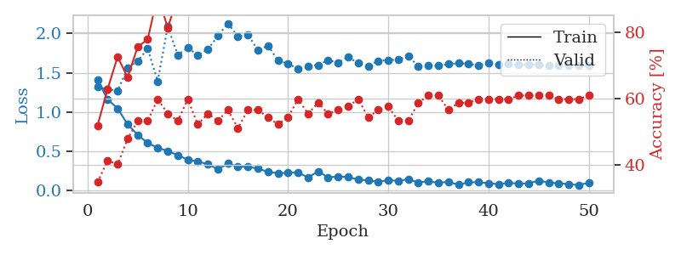
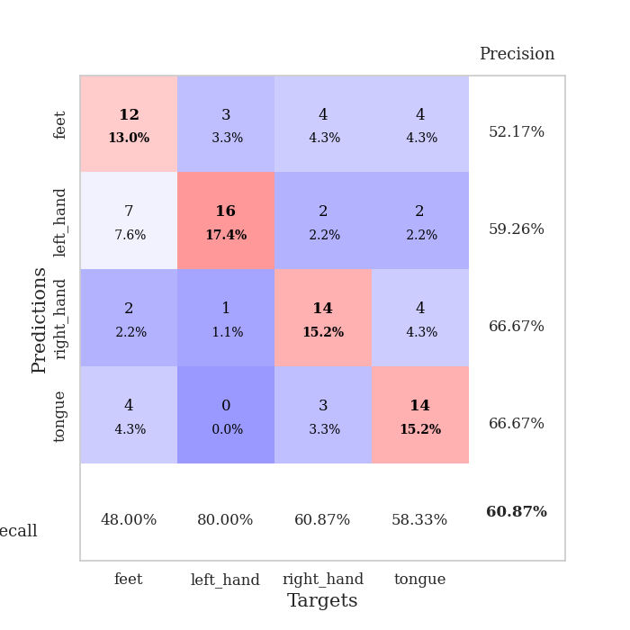
train_loss | valid_loss | train_accuracy | valid_accuracy | dur | train_misclass | valid_misclass
1.4037925109 | 1.3212583221 | 0.51902173913 | 0.34782608696 | 0.080696344376 | 51.902173913 | 34.782608696
1.1613066041 | 1.2888056714 | 0.6277173913 | 0.41304347826 | 0.079498529434 | 62.77173913 | 41.304347826
1.0454994803 | 1.2685380448 | 0.72554347826 | 0.40217391304 | 0.079319953918 | 72.554347826 | 40.217391304
0.84203576005 | 1.5598085315 | 0.66304347826 | 0.47826086957 | 0.079184293747 | 66.304347826 | 47.826086957
0.70905128769 | 1.6467223167 | 0.75543478261 | 0.53260869565 | 0.079431533813 | 75.543478261 | 53.260869565
0.60347413628 | 1.807750137 | 0.77717391304 | 0.53260869565 | 0.079511165619 | 77.717391304 | 53.260869565
0.54295820451 | 1.3910922097 | 0.91032608696 | 0.59782608696 | 0.078594207764 | 91.032608696 | 59.782608696
0.50354628135 | 2.0894953583 | 0.8125 | 0.55434782609 | 0.078528165817 | 81.25 | 55.434782609
0.44740785399 | 1.727556182 | 0.90489130435 | 0.53260869565 | 0.078468084335 | 90.489130435 | 53.260869565
0.39171794737 | 1.8184184354 | 0.90217391304 | 0.59782608696 | 0.078422307968 | 90.217391304 | 59.782608696
0.36827467868 | 1.7252891945 | 0.91304347826 | 0.52173913043 | 0.079834222794 | 91.304347826 | 52.173913043
0.33439696548 | 1.7968581034 | 0.95923913043 | 0.55434782609 | 0.079589605331 | 95.923913043 | 55.434782609
0.26946455856 | 1.9702323623 | 0.91576086957 | 0.53260869565 | 0.082335948944 | 91.576086957 | 53.260869565
0.34190308594 | 2.1293550574 | 0.88043478261 | 0.5652173913 | 0.07923913002 | 88.043478261 | 56.52173913
0.30216776709 | 1.9633317408 | 0.93206521739 | 0.51086956522 | 0.07951593399 | 93.206521739 | 51.086956522
0.30133412001 | 1.9856840165 | 0.93206521739 | 0.5652173913 | 0.079425096512 | 93.206521739 | 56.52173913
0.27798507265 | 1.7852710123 | 0.98097826087 | 0.5652173913 | 0.07906126976 | 98.097826087 | 56.52173913
0.23657705376 | 1.847168938 | 0.98369565217 | 0.54347826087 | 0.079418182373 | 98.369565217 | 54.347826087
0.21828831927 | 1.6547554083 | 0.97826086957 | 0.52173913043 | 0.078933000565 | 97.826086957 | 52.173913043
0.22372721557 | 1.61630744 | 0.98369565217 | 0.54347826087 | 0.079021215439 | 98.369565217 | 54.347826087
0.22653950038 | 1.5499792928 | 0.99456521739 | 0.59782608696 | 0.079067707062 | 99.456521739 | 59.782608696
0.16510604079 | 1.585796859 | 0.9972826087 | 0.55434782609 | 0.079069137573 | 99.72826087 | 55.434782609
0.2415544977 | 1.5966730999 | 0.9972826087 | 0.58695652174 | 0.079121828079 | 99.72826087 | 58.695652174
0.16636167564 | 1.661786266 | 0.9972826087 | 0.55434782609 | 0.078952312469 | 99.72826087 | 55.434782609
0.17636343278 | 1.6276197537 | 1 | 0.5652173913 | 0.079024791718 | 100 | 56.52173913
0.17142350729 | 1.7010506806 | 0.98913043478 | 0.57608695652 | 0.07880616188 | 98.913043478 | 57.608695652
0.13680237273 | 1.6201629431 | 0.9972826087 | 0.59782608696 | 0.079001903534 | 99.72826087 | 59.782608696
0.12705742948 | 1.5836439806 | 0.9972826087 | 0.54347826087 | 0.079102277756 | 99.72826087 | 54.347826087
0.11107830039 | 1.6510941153 | 1 | 0.5652173913 | 0.079427480698 | 100 | 56.52173913
0.12897007281 | 1.6615617431 | 1 | 0.57608695652 | 0.079428434372 | 100 | 57.608695652
0.12164346906 | 1.6666943871 | 0.9972826087 | 0.53260869565 | 0.079411506653 | 99.72826087 | 53.260869565
0.14168774984 | 1.708678401 | 0.99184782609 | 0.53260869565 | 0.079429626465 | 99.184782609 | 53.260869565
0.1004346793 | 1.584597629 | 1 | 0.58695652174 | 0.079300403595 | 100 | 58.695652174
0.11753892761 | 1.5928612688 | 1 | 0.60869565217 | 0.079333305359 | 100 | 60.869565217
0.094640662732 | 1.5900851799 | 1 | 0.60869565217 | 0.079495429993 | 100 | 60.869565217
0.11114248795 | 1.6092499598 | 1 | 0.5652173913 | 0.079081773758 | 100 | 56.52173913
0.070557943262 | 1.6209379435 | 1 | 0.58695652174 | 0.079477310181 | 100 | 58.695652174
0.10398476247 | 1.6141384788 | 1 | 0.58695652174 | 0.079151153564 | 100 | 58.695652174
0.1030401006 | 1.5948936576 | 1 | 0.59782608696 | 0.079205513 | 100 | 59.782608696
0.091388616873 | 1.6203100992 | 1 | 0.59782608696 | 0.080718040466 | 100 | 59.782608696
0.078659982785 | 1.603886765 | 1 | 0.59782608696 | 0.079027414322 | 100 | 59.782608696
0.097173590375 | 1.6102604814 | 1 | 0.59782608696 | 0.079111099243 | 100 | 59.782608696
0.085064278187 | 1.5999504898 | 1 | 0.60869565217 | 0.079097986221 | 100 | 60.869565217
0.090494991078 | 1.6055273025 | 1 | 0.60869565217 | 0.079188108444 | 100 | 60.869565217
0.12438730908 | 1.5991796981 | 1 | 0.60869565217 | 0.079391002655 | 100 | 60.869565217
0.10084423188 | 1.5956561928 | 1 | 0.60869565217 | 0.079322338104 | 100 | 60.869565217
0.09046968842 | 1.5943893402 | 1 | 0.59782608696 | 0.079520463943 | 100 | 59.782608696
0.079663329555 | 1.5931322937 | 1 | 0.59782608696 | 0.079840183258 | 100 | 59.782608696
0.067612174433 | 1.5923545827 | 1 | 0.59782608696 | 0.079332113266 | 100 | 59.782608696
0.098529727158 | 1.5922173884 | 1 | 0.60869565217 | 0.079468488693 | 100 | 60.869565217

Best Val accuracy is 0.6086956521739131 and Best test accuracy is 0.6206896551724138

