Sheet
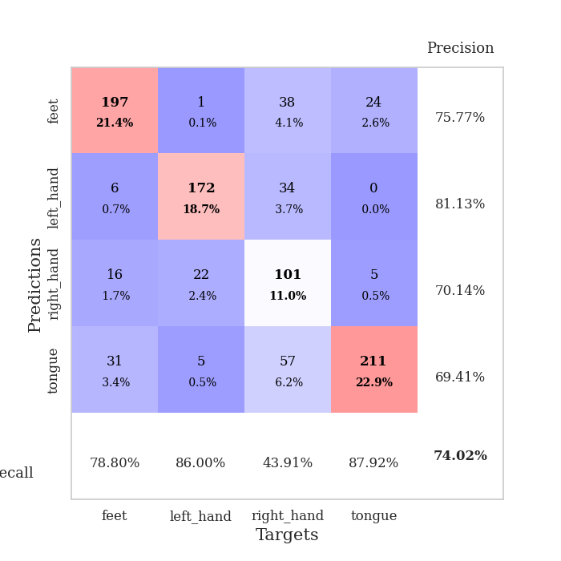
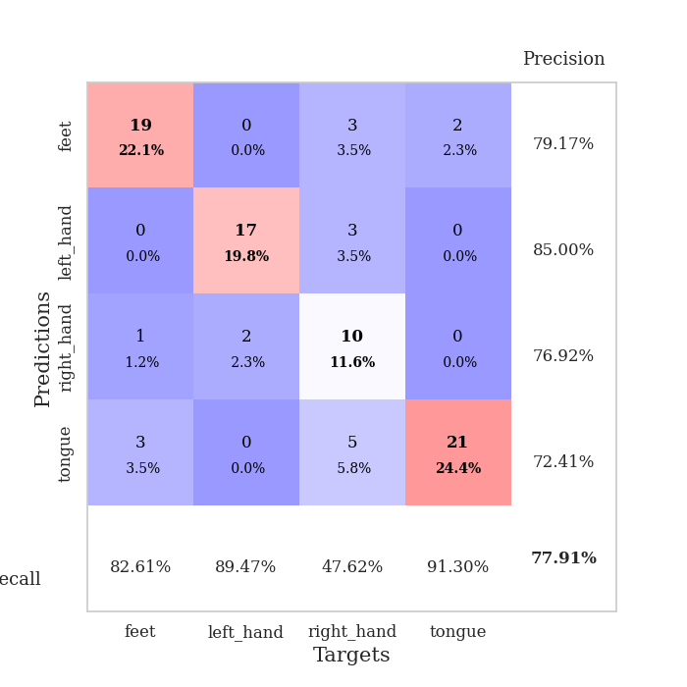
best_val_acc | best_val_los | best_test_acc
0.76086956522 | 0.86994238003 | 0.71551724138
0.71739130435 | 0.96253186205 | 0.74137931034
0.69565217391 | 1.0154260552 | 0.70689655172
0.73913043478 | 0.90943643839 | 0.68103448276
0.79347826087 | 0.75380180711 | 0.68103448276
0.76086956522 | 0.93503320995 | 0.65517241379
0.76086956522 | 0.90708057518 | 0.66379310345
0.67391304348 | 1.1093002247 | 0.72413793103
0.76086956522 | 0.90298384558 | 0.68103448276
0.73913043478 | 0.99789703929 | 0.66379310345

Mean,std Val accuracy is 0.7402173913043478 , 0.03566586870239048 and mean, std test accuracy is 0.6913793103448276 , 0.028964604984722194

Sheet1
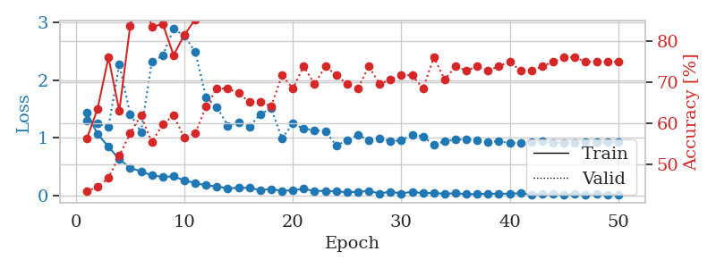
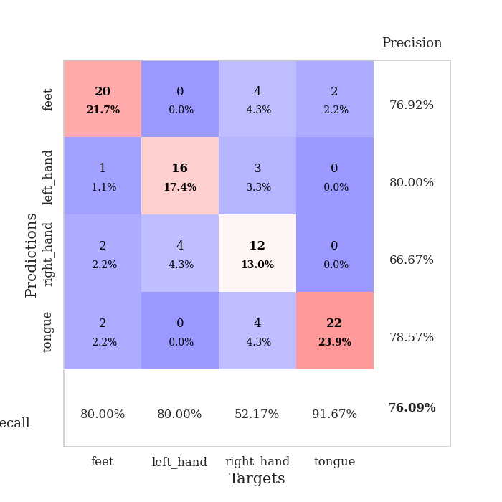
train_loss | valid_loss | train_accuracy | valid_accuracy | dur | train_misclass | valid_misclass
1.4344035335 | 1.2974965521 | 0.5625 | 0.4347826087 | 0.080908536911 | 56.25 | 43.47826087
1.0632722145 | 1.2576326961 | 0.63586956522 | 0.44565217391 | 0.079549789429 | 63.586956522 | 44.565217391
0.84681045491 | 1.183370896 | 0.76086956522 | 0.46739130435 | 0.079522848129 | 76.086956522 | 46.739130435
0.62678532626 | 2.2683156055 | 0.63043478261 | 0.52173913043 | 0.079451322556 | 63.043478261 | 52.173913043
0.48277023823 | 1.4110681285 | 0.83695652174 | 0.57608695652 | 0.079332351685 | 83.695652174 | 57.608695652
0.41848394275 | 1.1023868115 | 0.9375 | 0.61956521739 | 0.079428911209 | 93.75 | 61.956521739
0.35123772142 | 2.3188822425 | 0.83423913043 | 0.55434782609 | 0.079581737518 | 83.423913043 | 55.434782609
0.32624924766 | 2.4186476003 | 0.84239130435 | 0.59782608696 | 0.079561233521 | 84.239130435 | 59.782608696
0.33262090644 | 2.8819879138 | 0.76630434783 | 0.61956521739 | 0.079947710037 | 76.630434783 | 61.956521739
0.26517862535 | 2.765127918 | 0.8152173913 | 0.5652173913 | 0.079764604568 | 81.52173913 | 56.52173913
0.21659378886 | 2.484474234 | 0.85326086957 | 0.57608695652 | 0.079835414886 | 85.326086957 | 57.608695652
0.17888547674 | 1.7015949747 | 0.94836956522 | 0.64130434783 | 0.079775094986 | 94.836956522 | 64.130434783
0.15980172951 | 1.5260853301 | 0.97554347826 | 0.6847826087 | 0.07944893837 | 97.554347826 | 68.47826087
0.12647498018 | 1.2117997512 | 0.98913043478 | 0.6847826087 | 0.079280614853 | 98.913043478 | 68.47826087
0.13570436276 | 1.2641318311 | 0.98641304348 | 0.67391304348 | 0.079300880432 | 98.641304348 | 67.391304348
0.13531366582 | 1.1944686278 | 0.9972826087 | 0.65217391304 | 0.079522848129 | 99.72826087 | 65.217391304
0.096422972441 | 1.4113964413 | 1 | 0.65217391304 | 0.078964948654 | 100 | 65.217391304
0.11319639032 | 1.5064466259 | 0.97554347826 | 0.64130434783 | 0.079025745392 | 97.554347826 | 64.130434783
0.08291528868 | 0.98995753993 | 0.99456521739 | 0.71739130435 | 0.079272508621 | 99.456521739 | 71.739130435
0.092854909518 | 1.2440680887 | 0.94565217391 | 0.6847826087 | 0.079509973526 | 94.565217391 | 68.47826087
0.11821213081 | 1.1614903108 | 1 | 0.73913043478 | 0.079347133636 | 100 | 73.913043478
0.080136063711 | 1.1303696166 | 1 | 0.69565217391 | 0.079740047455 | 100 | 69.565217391
0.083126440077 | 1.1121367838 | 0.99456521739 | 0.73913043478 | 0.079240322113 | 99.456521739 | 73.913043478
0.071458952866 | 0.86994238003 | 1 | 0.71739130435 | 0.081101417542 | 100 | 71.739130435
0.062374761328 | 0.95311544771 | 0.9972826087 | 0.69565217391 | 0.081305027008 | 99.72826087 | 69.565217391
0.063519543867 | 1.0529880938 | 1 | 0.6847826087 | 0.082680463791 | 100 | 68.47826087
0.082995602173 | 0.95234237547 | 1 | 0.73913043478 | 0.083144426346 | 100 | 73.913043478
0.038193122747 | 0.98938038038 | 0.9972826087 | 0.69565217391 | 0.083065509796 | 99.72826087 | 69.565217391
0.069037449445 | 0.94311614659 | 1 | 0.70652173913 | 0.085444688797 | 100 | 70.652173913
0.037290863126 | 0.95699369907 | 1 | 0.71739130435 | 0.079183578491 | 100 | 71.739130435
0.069606590844 | 1.053147373 | 1 | 0.71739130435 | 0.079035043716 | 100 | 71.739130435
0.03954547261 | 1.02588595 | 1 | 0.6847826087 | 0.07927107811 | 100 | 68.47826087
0.048350691259 | 0.87972490684 | 1 | 0.76086956522 | 0.079522848129 | 100 | 76.086956522
0.030400174407 | 0.94170732602 | 1 | 0.70652173913 | 0.079907178879 | 100 | 70.652173913
0.04389845262 | 0.96867938664 | 1 | 0.73913043478 | 0.07955622673 | 100 | 73.913043478
0.025138756908 | 0.97384600536 | 1 | 0.72826086957 | 0.079730987549 | 100 | 72.826086957
0.027980489393 | 0.95683376167 | 1 | 0.73913043478 | 0.079602956772 | 100 | 73.913043478
0.034036953387 | 0.929131653 | 1 | 0.72826086957 | 0.079960823059 | 100 | 72.826086957
0.032442107878 | 0.9418723946 | 1 | 0.73913043478 | 0.079867601395 | 100 | 73.913043478
0.035750375615 | 0.90725237909 | 1 | 0.75 | 0.079792737961 | 100 | 75
0.040900334027 | 0.91700363677 | 1 | 0.72826086957 | 0.079613208771 | 100 | 72.826086957
0.022038679661 | 0.919419667 | 1 | 0.72826086957 | 0.079741716385 | 100 | 72.826086957
0.027899403328 | 0.93754909868 | 1 | 0.73913043478 | 0.079560756683 | 100 | 73.913043478
0.025638142783 | 0.91692794406 | 1 | 0.75 | 0.079390764236 | 100 | 75
0.018492404351 | 0.91372691548 | 1 | 0.76086956522 | 0.079561710358 | 100 | 76.086956522
0.030972201114 | 0.9184727306 | 1 | 0.76086956522 | 0.079804897308 | 100 | 76.086956522
0.016120403519 | 0.91997776861 | 1 | 0.75 | 0.079717636108 | 100 | 75
0.027506543652 | 0.91983520985 | 1 | 0.75 | 0.079699993134 | 100 | 75
0.022095175268 | 0.92076310904 | 1 | 0.75 | 0.07962346077 | 100 | 75
0.02061008171 | 0.92309559946 | 1 | 0.75 | 0.079785108566 | 100 | 75

Best Val accuracy is 0.7608695652173914 and Best test accuracy is 0.7155172413793104

Sheet2
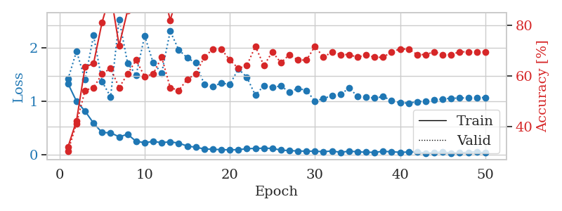
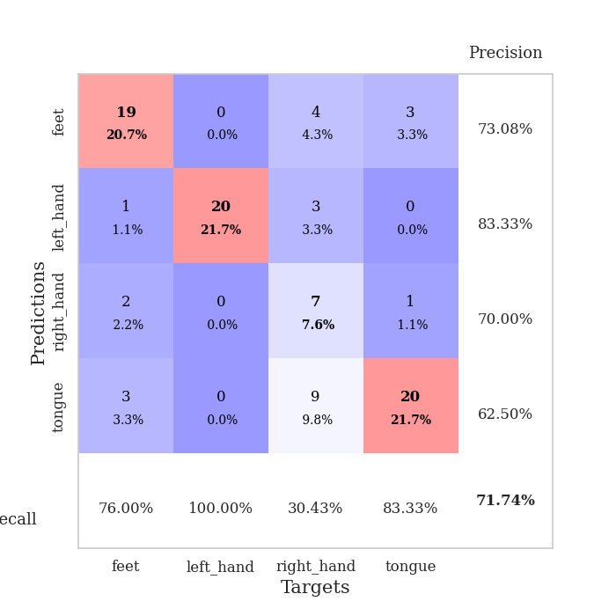
train_loss | valid_loss | train_accuracy | valid_accuracy | dur | train_misclass | valid_misclass
1.3278655099 | 1.4122148856 | 0.32065217391 | 0.30434782609 | 0.079327821732 | 32.065217391 | 30.434782609
0.99566954893 | 1.9358136343 | 0.42391304348 | 0.41304347826 | 0.079499006271 | 42.391304348 | 41.304347826
0.81317684961 | 1.3989158402 | 0.63586956522 | 0.54347826087 | 0.083506584167 | 63.586956522 | 54.347826087
0.58668537114 | 2.2284536051 | 0.64945652174 | 0.55434782609 | 0.078813552856 | 64.945652174 | 55.434782609
0.41274913498 | 1.3643941931 | 0.8125 | 0.60869565217 | 0.078828334808 | 81.25 | 60.869565217
0.40742389469 | 1.0816602629 | 0.92663043478 | 0.63043478261 | 0.078597307205 | 92.663043478 | 63.043478261
0.33253883441 | 2.5298913458 | 0.72010869565 | 0.55434782609 | 0.078780412674 | 72.010869565 | 55.434782609
0.37912286688 | 1.7069328712 | 0.85869565217 | 0.60869565217 | 0.078785419464 | 85.869565217 | 60.869565217
0.24743082633 | 1.4901516023 | 0.95108695652 | 0.66304347826 | 0.0791451931 | 95.108695652 | 66.304347826
0.22431812111 | 2.2204501473 | 0.90760869565 | 0.59782608696 | 0.078325748444 | 90.760869565 | 59.782608696
0.24527649436 | 1.7168291755 | 0.96739130435 | 0.60869565217 | 0.07831120491 | 96.739130435 | 60.869565217
0.22414738231 | 1.5255103163 | 0.95923913043 | 0.67391304348 | 0.079093933105 | 95.923913043 | 67.391304348
0.23937670579 | 2.3072218066 | 0.82065217391 | 0.55434782609 | 0.078896522522 | 82.065217391 | 55.434782609
0.21405761041 | 1.9610903989 | 0.9347826087 | 0.54347826087 | 0.078483343124 | 93.47826087 | 54.347826087
0.15985720961 | 1.809567778 | 0.91576086957 | 0.58695652174 | 0.07887339592 | 91.576086957 | 58.695652174
0.13723936074 | 1.7153359755 | 0.97010869565 | 0.60869565217 | 0.078886985779 | 97.010869565 | 60.869565217
0.1056899562 | 1.3127694441 | 1 | 0.67391304348 | 0.079223394394 | 100 | 67.391304348
0.09996361085 | 1.2708343267 | 0.9972826087 | 0.70652173913 | 0.078952312469 | 99.72826087 | 70.652173913
0.092043794854 | 1.3398052506 | 1 | 0.70652173913 | 0.079240083694 | 100 | 70.652173913
0.088960218932 | 1.3100983475 | 1 | 0.66304347826 | 0.078576564789 | 100 | 66.304347826
0.09192722477 | 1.6035032013 | 0.9972826087 | 0.63043478261 | 0.078861713409 | 99.72826087 | 63.043478261
0.10900394975 | 1.4485615492 | 0.9972826087 | 0.64130434783 | 0.078783750534 | 99.72826087 | 64.130434783
0.1163810123 | 1.1090594064 | 0.99184782609 | 0.71739130435 | 0.078942775726 | 99.184782609 | 71.739130435
0.11858806391 | 1.2900571616 | 1 | 0.64130434783 | 0.078734874725 | 100 | 64.130434783
0.11662754352 | 1.2605084284 | 1 | 0.69565217391 | 0.078545093536 | 100 | 69.565217391
0.083038586597 | 1.2822069033 | 1 | 0.65217391304 | 0.079208850861 | 100 | 65.217391304
0.075037939636 | 1.1712320939 | 1 | 0.6847826087 | 0.079340457916 | 100 | 68.47826087
0.066594052412 | 1.2393486344 | 0.9972826087 | 0.66304347826 | 0.079120874405 | 99.72826087 | 66.304347826
0.063607591933 | 1.1998306824 | 1 | 0.66304347826 | 0.07938170433 | 100 | 66.304347826
0.064543542979 | 0.998708046 | 1 | 0.71739130435 | 0.079264879227 | 100 | 71.739130435
0.05315091133 | 1.0476058359 | 1 | 0.67391304348 | 0.07913184166 | 100 | 67.391304348
0.068289645543 | 1.1046504041 | 1 | 0.69565217391 | 0.078877449036 | 100 | 69.565217391
0.042196515512 | 1.1231731228 | 1 | 0.6847826087 | 0.079240322113 | 100 | 68.47826087
0.063702714002 | 1.2454813045 | 1 | 0.6847826087 | 0.07919716835 | 100 | 68.47826087
0.053025130901 | 1.0911396379 | 1 | 0.67391304348 | 0.079236984253 | 100 | 67.391304348
0.043839835015 | 1.0748237942 | 1 | 0.6847826087 | 0.079311847687 | 100 | 68.47826087
0.042767902117 | 1.0563891193 | 1 | 0.67391304348 | 0.079190015793 | 100 | 67.391304348
0.060270227674 | 1.0841048075 | 1 | 0.67391304348 | 0.07904291153 | 100 | 67.391304348
0.053243440171 | 1.0118699281 | 1 | 0.69565217391 | 0.078943014145 | 100 | 69.565217391
0.04271913417 | 0.97161046318 | 1 | 0.70652173913 | 0.079182624817 | 100 | 70.652173913
0.047955175993 | 0.96253186205 | 1 | 0.70652173913 | 0.0794942379 | 100 | 70.652173913
0.051074960046 | 0.98924624402 | 1 | 0.6847826087 | 0.07876086235 | 100 | 68.47826087
0.027406854788 | 1.0013171123 | 1 | 0.6847826087 | 0.081231355667 | 100 | 68.47826087
0.034293686419 | 1.0177983979 | 1 | 0.69565217391 | 0.078898906708 | 100 | 69.565217391
0.050140114997 | 1.0420797804 | 1 | 0.6847826087 | 0.078925132751 | 100 | 68.47826087
0.026882984584 | 1.053966968 | 1 | 0.6847826087 | 0.078994989395 | 100 | 68.47826087
0.033245186888 | 1.0569974754 | 1 | 0.69565217391 | 0.07901263237 | 100 | 69.565217391
0.042687551857 | 1.0628918254 | 1 | 0.69565217391 | 0.079043865204 | 100 | 69.565217391
0.051058369932 | 1.0657964167 | 1 | 0.69565217391 | 0.079298496246 | 100 | 69.565217391
0.030114808353 | 1.0668111936 | 1 | 0.69565217391 | 0.079344034195 | 100 | 69.565217391

Best Val accuracy is 0.717391304347826 and Best test accuracy is 0.7413793103448276

Sheet3
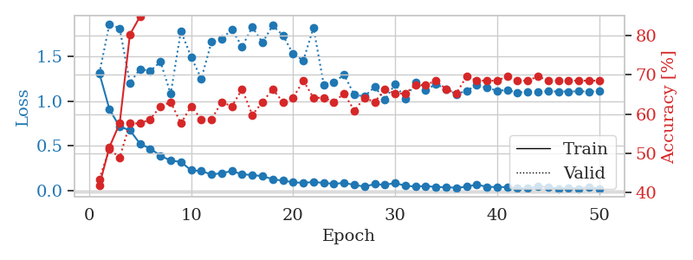
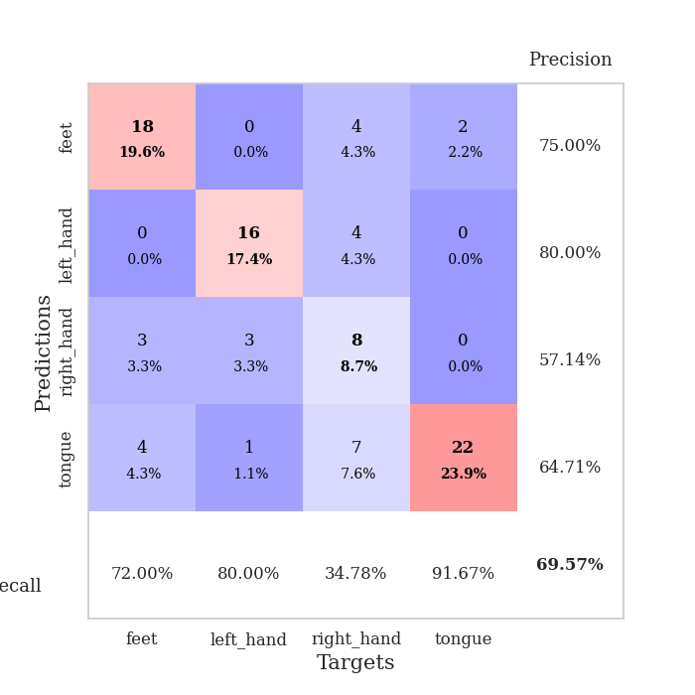
train_loss | valid_loss | train_accuracy | valid_accuracy | dur | train_misclass | valid_misclass
1.3132067919 | 1.3063377557 | 0.41847826087 | 0.4347826087 | 0.079735040665 | 41.847826087 | 43.47826087
0.90699180831 | 1.8627240243 | 0.51630434783 | 0.51086956522 | 0.079276323318 | 51.630434783 | 51.086956522
0.71275411352 | 1.8119223843 | 0.57608695652 | 0.48913043478 | 0.080156564713 | 57.608695652 | 48.913043478
0.67437899113 | 1.2037262139 | 0.80163043478 | 0.57608695652 | 0.079618930817 | 80.163043478 | 57.608695652
0.52211305888 | 1.3586058098 | 0.84782608696 | 0.57608695652 | 0.079471826553 | 84.782608696 | 57.608695652
0.46779708014 | 1.3350723308 | 0.91032608696 | 0.58695652174 | 0.079257249832 | 91.032608696 | 58.695652174
0.39000367794 | 1.4392154269 | 0.91304347826 | 0.61956521739 | 0.079548835754 | 91.304347826 | 61.956521739
0.33422134428 | 1.0798864002 | 0.95923913043 | 0.63043478261 | 0.079443454742 | 95.923913043 | 63.043478261
0.32071490391 | 1.784132662 | 0.92391304348 | 0.57608695652 | 0.079582214355 | 92.391304348 | 57.608695652
0.22619590649 | 1.493562688 | 0.96467391304 | 0.61956521739 | 0.079602003098 | 96.467391304 | 61.956521739
0.21854790689 | 1.2493356985 | 0.97282608696 | 0.58695652174 | 0.079568862915 | 97.282608696 | 58.695652174
0.1791055068 | 1.6598825247 | 0.93206521739 | 0.58695652174 | 0.079384326935 | 93.206521739 | 58.695652174
0.19491663057 | 1.697855939 | 0.95652173913 | 0.63043478261 | 0.081089019775 | 95.652173913 | 63.043478261
0.21735713809 | 1.7957011254 | 0.94293478261 | 0.61956521739 | 0.079588890076 | 94.293478261 | 61.956521739
0.18250152153 | 1.6093486755 | 0.97010869565 | 0.66304347826 | 0.079498052597 | 97.010869565 | 66.304347826
0.17269521547 | 1.8252626917 | 0.97010869565 | 0.59782608696 | 0.079521179199 | 97.010869565 | 59.782608696
0.16123393551 | 1.6543612273 | 0.97554347826 | 0.63043478261 | 0.079085111618 | 97.554347826 | 63.043478261
0.12697358802 | 1.8437363168 | 0.96739130435 | 0.66304347826 | 0.079139709473 | 96.739130435 | 66.304347826
0.11019273977 | 1.7346724738 | 0.98913043478 | 0.63043478261 | 0.079124212265 | 98.913043478 | 63.043478261
0.092873646554 | 1.5267988081 | 0.98913043478 | 0.64130434783 | 0.07924580574 | 98.913043478 | 64.130434783
0.084976387332 | 1.4519835244 | 0.99184782609 | 0.6847826087 | 0.079439401627 | 99.184782609 | 68.47826087
0.096420106438 | 1.8210459326 | 0.96739130435 | 0.64130434783 | 0.079623937607 | 96.739130435 | 64.130434783
0.084691629624 | 1.1840296154 | 1 | 0.64130434783 | 0.07919883728 | 100 | 64.130434783
0.07564578345 | 1.2078637248 | 0.99456521739 | 0.63043478261 | 0.079479455948 | 99.456521739 | 63.043478261
0.085023764683 | 1.2947298444 | 0.99184782609 | 0.65217391304 | 0.079382181168 | 99.184782609 | 65.217391304
0.062817610557 | 1.0690321352 | 1 | 0.60869565217 | 0.07940030098 | 100 | 60.869565217
0.044222439174 | 1.0524627229 | 1 | 0.64130434783 | 0.079397439957 | 100 | 64.130434783
0.072229125537 | 1.1579616951 | 1 | 0.63043478261 | 0.079120159149 | 100 | 63.043478261
0.063339183613 | 1.0154260552 | 1 | 0.66304347826 | 0.079096317291 | 100 | 66.304347826
0.08398531266 | 1.1890963368 | 1 | 0.65217391304 | 0.079351663589 | 100 | 65.217391304
0.053649994727 | 1.0260372836 | 1 | 0.65217391304 | 0.07946228981 | 100 | 65.217391304
0.045059039318 | 1.2065082581 | 1 | 0.67391304348 | 0.082515716553 | 100 | 67.391304348
0.051471523961 | 1.1205846019 | 1 | 0.67391304348 | 0.080086231232 | 100 | 67.391304348
0.038560053263 | 1.1895721995 | 1 | 0.6847826087 | 0.079601764679 | 100 | 68.47826087
0.037766377462 | 1.132063933 | 1 | 0.66304347826 | 0.079433441162 | 100 | 66.304347826
0.030479088952 | 1.0776739483 | 1 | 0.65217391304 | 0.079260826111 | 100 | 65.217391304
0.042524924178 | 1.1140217988 | 1 | 0.69565217391 | 0.079387426376 | 100 | 69.565217391
0.066304161325 | 1.1779943653 | 1 | 0.6847826087 | 0.079475879669 | 100 | 68.47826087
0.041966761726 | 1.147602159 | 1 | 0.6847826087 | 0.079506874084 | 100 | 68.47826087
0.038720077319 | 1.1170519642 | 1 | 0.6847826087 | 0.079389333725 | 100 | 68.47826087
0.038435826362 | 1.1211584755 | 1 | 0.69565217391 | 0.079412460327 | 100 | 69.565217391
0.025015915855 | 1.0966914167 | 1 | 0.6847826087 | 0.079399347305 | 100 | 68.47826087
0.024216125365 | 1.1028745693 | 1 | 0.6847826087 | 0.07951259613 | 100 | 68.47826087
0.043611917766 | 1.1070179369 | 1 | 0.69565217391 | 0.079592943192 | 100 | 69.565217391
0.03975025114 | 1.1075711043 | 1 | 0.6847826087 | 0.07928943634 | 100 | 68.47826087
0.020382783872 | 1.1072535359 | 1 | 0.6847826087 | 0.079648256302 | 100 | 68.47826087
0.030107614584 | 1.1072475185 | 1 | 0.6847826087 | 0.079618692398 | 100 | 68.47826087
0.02054787333 | 1.1077433928 | 1 | 0.6847826087 | 0.079496145248 | 100 | 68.47826087
0.040122551621 | 1.1071054624 | 1 | 0.6847826087 | 0.079429864883 | 100 | 68.47826087
0.021056498755 | 1.1075053215 | 1 | 0.6847826087 | 0.079517364502 | 100 | 68.47826087

Best Val accuracy is 0.6956521739130435 and Best test accuracy is 0.7068965517241379

Sheet4
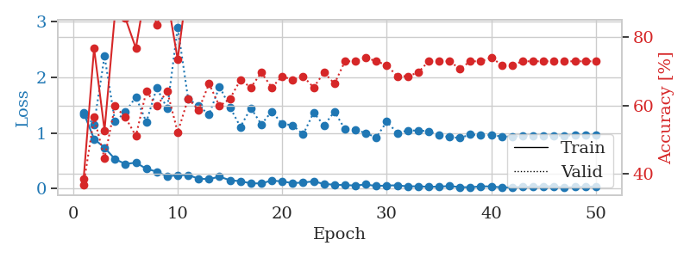
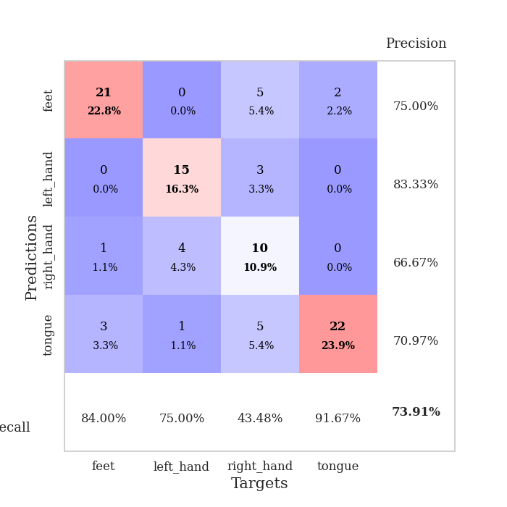
train_loss | valid_loss | train_accuracy | valid_accuracy | dur | train_misclass | valid_misclass
1.3636247827 | 1.3378150411 | 0.38586956522 | 0.36956521739 | 0.080575466156 | 38.586956522 | 36.956521739
0.88994041992 | 1.1539235996 | 0.76630434783 | 0.5652173913 | 0.079392671585 | 76.630434783 | 56.52173913
0.73573834352 | 2.3753247468 | 0.52717391304 | 0.44565217391 | 0.079267263412 | 52.717391304 | 44.565217391
0.52989459556 | 1.2020537076 | 0.86684782609 | 0.59782608696 | 0.078964948654 | 86.684782609 | 59.782608696
0.44299868721 | 1.3733217353 | 0.85326086957 | 0.5652173913 | 0.079317092896 | 85.326086957 | 56.52173913
0.46652516464 | 1.645665656 | 0.76630434783 | 0.51086956522 | 0.079579353333 | 76.630434783 | 51.086956522
0.35697646569 | 1.1936033446 | 0.94836956522 | 0.64130434783 | 0.080395460129 | 94.836956522 | 64.130434783
0.30517071971 | 1.8061318709 | 0.83423913043 | 0.59782608696 | 0.079820632935 | 83.423913043 | 59.782608696
0.22105115101 | 1.4358085394 | 0.91304347826 | 0.64130434783 | 0.079608201981 | 91.304347826 | 64.130434783
0.24188095526 | 2.8889853747 | 0.73369565217 | 0.52173913043 | 0.079513072968 | 73.369565217 | 52.173913043
0.24411328995 | 1.6086121383 | 0.96739130435 | 0.61956521739 | 0.07955622673 | 96.739130435 | 61.956521739
0.17993692782 | 1.4816772679 | 0.95108695652 | 0.58695652174 | 0.079070568085 | 95.108695652 | 58.695652174
0.1696809127 | 1.3307127279 | 0.96195652174 | 0.66304347826 | 0.078986167908 | 96.195652174 | 66.304347826
0.21706603079 | 1.8319262111 | 0.95380434783 | 0.59782608696 | 0.079466819763 | 95.380434783 | 59.782608696
0.15011987754 | 1.4602865344 | 0.95380434783 | 0.61956521739 | 0.079587221146 | 95.380434783 | 61.956521739
0.1354482957 | 1.1072272632 | 0.99456521739 | 0.67391304348 | 0.07959485054 | 99.456521739 | 67.391304348
0.094740051938 | 1.4454059186 | 0.99456521739 | 0.65217391304 | 0.07963013649 | 99.456521739 | 65.217391304
0.095347616579 | 1.1527629987 | 1 | 0.69565217391 | 0.079449653625 | 100 | 69.565217391
0.14565938663 | 1.3850024368 | 0.96739130435 | 0.65217391304 | 0.079662799835 | 96.739130435 | 65.217391304
0.12946675572 | 1.1603863239 | 0.99456521739 | 0.6847826087 | 0.079612731934 | 99.456521739 | 68.47826087
0.10038543436 | 1.1384133386 | 0.97826086957 | 0.67391304348 | 0.079574346542 | 97.826086957 | 67.391304348
0.11055804716 | 0.97221791226 | 0.9972826087 | 0.6847826087 | 0.079574108124 | 99.72826087 | 68.47826087
0.13166805397 | 1.3609852169 | 0.9972826087 | 0.65217391304 | 0.079413414001 | 99.72826087 | 65.217391304
0.08418453667 | 1.1350616579 | 1 | 0.69565217391 | 0.079512357712 | 100 | 69.565217391
0.071348935892 | 1.3816758031 | 0.99184782609 | 0.66304347826 | 0.080837249756 | 99.184782609 | 66.304347826
0.064499856621 | 1.0662077147 | 0.9972826087 | 0.72826086957 | 0.079387903214 | 99.72826087 | 72.826086957
0.057280660242 | 1.0592666398 | 1 | 0.72826086957 | 0.079827070236 | 100 | 72.826086957
0.075557648933 | 0.99343724354 | 0.9972826087 | 0.73913043478 | 0.079313755035 | 99.72826087 | 73.913043478
0.047495562624 | 0.91916413411 | 1 | 0.72826086957 | 0.079808235168 | 100 | 72.826086957
0.057604664005 | 1.2011459496 | 0.99456521739 | 0.71739130435 | 0.079436540604 | 99.456521739 | 71.739130435
0.059805618518 | 0.99855685234 | 1 | 0.6847826087 | 0.079779863358 | 100 | 68.47826087
0.041144706683 | 1.0417927607 | 1 | 0.6847826087 | 0.079537630081 | 100 | 68.47826087
0.043775855159 | 1.04246691 | 1 | 0.69565217391 | 0.079468250275 | 100 | 69.565217391
0.033942803255 | 1.0303059091 | 1 | 0.72826086957 | 0.079501628876 | 100 | 72.826086957
0.037073762723 | 0.95603429753 | 1 | 0.72826086957 | 0.079491853714 | 100 | 72.826086957
0.047435500629 | 0.92563923546 | 1 | 0.72826086957 | 0.079537391663 | 100 | 72.826086957
0.028727461989 | 0.90943643839 | 1 | 0.70652173913 | 0.082607746124 | 100 | 70.652173913
0.024966227903 | 0.96950529451 | 1 | 0.72826086957 | 0.079453706741 | 100 | 72.826086957
0.042765689751 | 0.96120082295 | 1 | 0.72826086957 | 0.080000162125 | 100 | 72.826086957
0.039985052381 | 0.96432905093 | 1 | 0.73913043478 | 0.079811096191 | 100 | 73.913043478
0.022949042852 | 0.93458765486 | 1 | 0.71739130435 | 0.079419374466 | 100 | 71.739130435
0.024183800646 | 0.93200313008 | 1 | 0.71739130435 | 0.079530000687 | 100 | 71.739130435
0.035765263637 | 0.9464717326 | 1 | 0.72826086957 | 0.07976770401 | 100 | 72.826086957
0.033411841333 | 0.9465370541 | 1 | 0.72826086957 | 0.079614400864 | 100 | 72.826086957
0.043992919554 | 0.95274712728 | 1 | 0.72826086957 | 0.079673528671 | 100 | 72.826086957
0.041092011328 | 0.95084770866 | 1 | 0.72826086957 | 0.079628705978 | 100 | 72.826086957
0.022285549507 | 0.95054634758 | 1 | 0.72826086957 | 0.079374551773 | 100 | 72.826086957
0.029606852903 | 0.9549461655 | 1 | 0.72826086957 | 0.07918214798 | 100 | 72.826086957
0.035745899335 | 0.95649049075 | 1 | 0.72826086957 | 0.079334259033 | 100 | 72.826086957
0.039298976296 | 0.95867614124 | 1 | 0.72826086957 | 0.079842805862 | 100 | 72.826086957

Best Val accuracy is 0.7391304347826086 and Best test accuracy is 0.6810344827586207

Sheet5
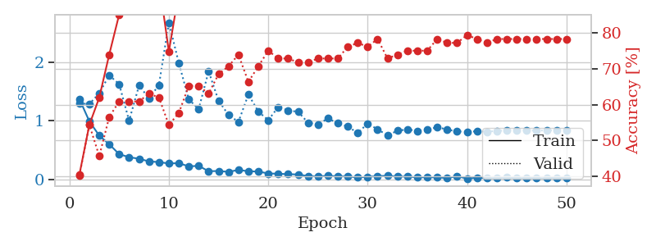

train_loss | valid_loss | train_accuracy | valid_accuracy | dur | train_misclass | valid_misclass
1.3716096152 | 1.2957333378 | 0.40489130435 | 0.40217391304 | 0.080255508423 | 40.489130435 | 40.217391304
0.99201613146 | 1.2857909617 | 0.54347826087 | 0.54347826087 | 0.079577684402 | 54.347826087 | 54.347826087
0.74827499752 | 1.4682086343 | 0.61956521739 | 0.45652173913 | 0.07931303978 | 61.956521739 | 45.652173913
0.60232235686 | 1.7748302947 | 0.73913043478 | 0.5652173913 | 0.078924179077 | 73.913043478 | 56.52173913
0.43407809993 | 1.6237356507 | 0.85054347826 | 0.60869565217 | 0.079369068146 | 85.054347826 | 60.869565217
0.38182860354 | 1.0024686585 | 0.91847826087 | 0.60869565217 | 0.079422950745 | 91.847826087 | 60.869565217
0.35624735187 | 1.5987592106 | 0.88586956522 | 0.60869565217 | 0.079760074615 | 88.586956522 | 60.869565217
0.30960458711 | 1.3842641323 | 0.94293478261 | 0.63043478261 | 0.081215143204 | 94.293478261 | 63.043478261
0.29942776328 | 1.6058403668 | 0.94565217391 | 0.61956521739 | 0.082007408142 | 94.565217391 | 61.956521739
0.27486248638 | 2.6700545083 | 0.7472826087 | 0.54347826087 | 0.079448461533 | 74.72826087 | 54.347826087
0.28115114375 | 1.9833988107 | 0.91304347826 | 0.57608695652 | 0.079617738724 | 91.304347826 | 57.608695652
0.22572856607 | 1.3669219846 | 0.97282608696 | 0.65217391304 | 0.079620838165 | 97.282608696 | 65.217391304
0.23524749441 | 1.1980010427 | 0.9972826087 | 0.65217391304 | 0.079697847366 | 99.72826087 | 65.217391304
0.14298959611 | 1.8427347048 | 0.95652173913 | 0.63043478261 | 0.079300403595 | 95.652173913 | 63.043478261
0.14772945561 | 1.3425393882 | 0.98913043478 | 0.6847826087 | 0.079389333725 | 98.913043478 | 68.47826087
0.13277194033 | 1.1007324276 | 0.98641304348 | 0.70652173913 | 0.079448461533 | 98.641304348 | 70.652173913
0.16514627814 | 0.9814800646 | 1 | 0.73913043478 | 0.080094337463 | 100 | 73.913043478
0.14317413383 | 1.4476311725 | 0.99456521739 | 0.66304347826 | 0.079833507538 | 99.456521739 | 66.304347826
0.13755419138 | 1.1581559725 | 0.9972826087 | 0.70652173913 | 0.079798221588 | 99.72826087 | 70.652173913
0.10563961068 | 1.0108208734 | 1 | 0.75 | 0.079723596573 | 100 | 75
0.1008244512 | 1.2339463053 | 0.9972826087 | 0.72826086957 | 0.079929351807 | 99.72826087 | 72.826086957
0.092767581668 | 1.1769163583 | 0.99456521739 | 0.72826086957 | 0.079627037048 | 99.456521739 | 72.826086957
0.088923445316 | 1.1534405791 | 1 | 0.71739130435 | 0.079255819321 | 100 | 71.739130435
0.059715361861 | 0.96948455468 | 1 | 0.71739130435 | 0.079094648361 | 100 | 71.739130435
0.054262984726 | 0.93845660013 | 1 | 0.72826086957 | 0.079154014587 | 100 | 72.826086957
0.065342715577 | 1.0400146557 | 1 | 0.72826086957 | 0.079407691956 | 100 | 72.826086957
0.056112043641 | 0.95773095411 | 0.9972826087 | 0.72826086957 | 0.07950925827 | 99.72826087 | 72.826086957
0.055503952762 | 0.90402721063 | 1 | 0.76086956522 | 0.079374313354 | 100 | 76.086956522
0.036378560527 | 0.79297727346 | 1 | 0.77173913043 | 0.079129219055 | 100 | 77.173913043
0.049481318383 | 0.95485738309 | 1 | 0.76086956522 | 0.079029083252 | 100 | 76.086956522
0.059413614703 | 0.85459289084 | 1 | 0.78260869565 | 0.078770160675 | 100 | 78.260869565
0.066554276414 | 0.75380180711 | 1 | 0.72826086957 | 0.079341650009 | 100 | 72.826086957
0.051870338679 | 0.83110161968 | 1 | 0.73913043478 | 0.079519510269 | 100 | 73.913043478
0.052223530254 | 0.85425184602 | 1 | 0.75 | 0.079656839371 | 100 | 75
0.039312294836 | 0.82992803921 | 1 | 0.75 | 0.079433679581 | 100 | 75
0.041412434642 | 0.84713576669 | 1 | 0.75 | 0.079615831375 | 100 | 75
0.03877428832 | 0.89412149917 | 1 | 0.78260869565 | 0.079414844513 | 100 | 78.260869565
0.027639853302 | 0.85032601201 | 1 | 0.77173913043 | 0.079523801804 | 100 | 77.173913043
0.057306225331 | 0.82034857118 | 1 | 0.77173913043 | 0.079518318176 | 100 | 77.173913043
0.01899270026 | 0.81451798004 | 1 | 0.79347826087 | 0.079785585403 | 100 | 79.347826087
0.033032938868 | 0.82138048307 | 1 | 0.78260869565 | 0.080029964447 | 100 | 78.260869565
0.025979247906 | 0.81624911402 | 1 | 0.77173913043 | 0.080103635788 | 100 | 77.173913043
0.026878287874 | 0.82779787934 | 1 | 0.78260869565 | 0.079773902893 | 100 | 78.260869565
0.037185759132 | 0.83490985632 | 1 | 0.78260869565 | 0.079721927643 | 100 | 78.260869565
0.023051982492 | 0.83932893173 | 1 | 0.78260869565 | 0.083848953247 | 100 | 78.260869565
0.029238185137 | 0.83561574635 | 1 | 0.78260869565 | 0.080371141434 | 100 | 78.260869565
0.025666946515 | 0.8347028157 | 1 | 0.78260869565 | 0.079622507095 | 100 | 78.260869565
0.024394872363 | 0.83624189055 | 1 | 0.78260869565 | 0.079676389694 | 100 | 78.260869565
0.034580258096 | 0.83661357994 | 1 | 0.78260869565 | 0.079654455185 | 100 | 78.260869565
0.025539149783 | 0.8369938498 | 1 | 0.78260869565 | 0.079565048218 | 100 | 78.260869565

Best Val accuracy is 0.7934782608695652 and Best test accuracy is 0.6810344827586207

Sheet6
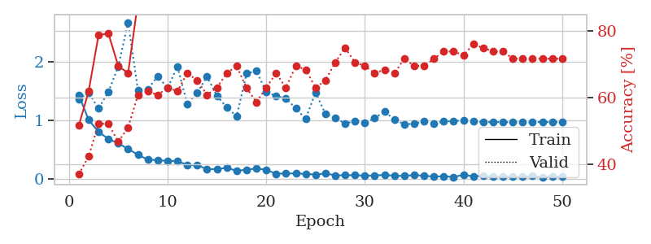
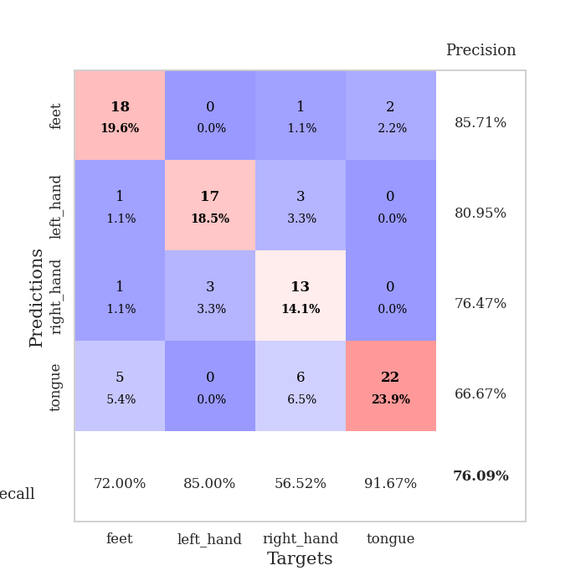
train_loss | valid_loss | train_accuracy | valid_accuracy | dur | train_misclass | valid_misclass
1.4319004805 | 1.3646805649 | 0.51630434783 | 0.36956521739 | 0.079932928085 | 51.630434783 | 36.956521739
1.0063848107 | 1.4735675895 | 0.61956521739 | 0.42391304348 | 0.079275369644 | 61.956521739 | 42.391304348
0.80256936472 | 1.2013212131 | 0.78804347826 | 0.52173913043 | 0.07892370224 | 78.804347826 | 52.173913043
0.68195203465 | 1.4837631091 | 0.79347826087 | 0.52173913043 | 0.078803777695 | 79.347826087 | 52.173913043
0.60685689683 | 1.9194154169 | 0.69565217391 | 0.46739130435 | 0.079137563705 | 69.565217391 | 46.739130435
0.50874680216 | 2.6736242253 | 0.67391304348 | 0.51086956522 | 0.079160928726 | 67.391304348 | 51.086956522
0.41160132315 | 1.5148775111 | 0.88858695652 | 0.60869565217 | 0.078978538513 | 88.858695652 | 60.869565217
0.32600732666 | 1.5314562165 | 0.92391304348 | 0.61956521739 | 0.079307317734 | 92.391304348 | 61.956521739
0.31803164761 | 1.7533201964 | 0.91304347826 | 0.60869565217 | 0.078900814056 | 91.304347826 | 60.869565217
0.30425334884 | 1.5519397103 | 0.96739130435 | 0.63043478261 | 0.079063892365 | 96.739130435 | 63.043478261
0.30393110831 | 1.9170582502 | 0.89673913043 | 0.61956521739 | 0.079474449158 | 89.673913043 | 61.956521739
0.23514858083 | 1.2786716067 | 0.96739130435 | 0.67391304348 | 0.078566789627 | 96.739130435 | 67.391304348
0.23378322905 | 1.4709983027 | 0.97010869565 | 0.65217391304 | 0.079139947891 | 97.010869565 | 65.217391304
0.16442173849 | 1.7498241352 | 0.98097826087 | 0.60869565217 | 0.082036018372 | 98.097826087 | 60.869565217
0.16327206353 | 1.4178346188 | 0.98641304348 | 0.63043478261 | 0.079018115997 | 98.641304348 | 63.043478261
0.1884463159 | 1.2218042871 | 0.97010869565 | 0.67391304348 | 0.078767061234 | 97.010869565 | 67.391304348
0.13471592736 | 1.0649663599 | 0.98369565217 | 0.69565217391 | 0.079105138779 | 98.369565217 | 69.565217391
0.15534835963 | 1.7979398033 | 0.96739130435 | 0.63043478261 | 0.079672813416 | 96.739130435 | 63.043478261
0.1741473316 | 1.8480554042 | 0.97010869565 | 0.58695652174 | 0.083795070648 | 97.010869565 | 58.695652174
0.15385576006 | 1.4806470871 | 0.98641304348 | 0.63043478261 | 0.079456806183 | 98.641304348 | 63.043478261
0.085594855087 | 1.4179724973 | 0.9972826087 | 0.67391304348 | 0.079485654831 | 99.72826087 | 67.391304348
0.090223775772 | 1.3707988262 | 0.9972826087 | 0.63043478261 | 0.079134702682 | 99.72826087 | 63.043478261
0.090224055897 | 1.2041683456 | 0.9972826087 | 0.69565217391 | 0.079189777374 | 99.72826087 | 69.565217391
0.084396045898 | 1.022483665 | 1 | 0.6847826087 | 0.079136133194 | 100 | 68.47826087
0.071229145214 | 1.4777083863 | 0.98913043478 | 0.63043478261 | 0.0793633461 | 98.913043478 | 63.043478261
0.091424474979 | 1.1083845263 | 1 | 0.65217391304 | 0.079211473465 | 100 | 65.217391304
0.059049647058 | 1.0410367769 | 1 | 0.70652173913 | 0.079236030579 | 100 | 70.652173913
0.05959129625 | 0.94244116286 | 1 | 0.75 | 0.079597949982 | 100 | 75
0.060615911412 | 0.98795596931 | 1 | 0.70652173913 | 0.079045534134 | 100 | 70.652173913
0.052696219119 | 0.9614462697 | 0.9972826087 | 0.69565217391 | 0.078792333603 | 99.72826087 | 69.565217391
0.054630360931 | 1.0342396912 | 0.9972826087 | 0.67391304348 | 0.079359054565 | 99.72826087 | 67.391304348
0.067386997256 | 1.1524827636 | 1 | 0.6847826087 | 0.079275369644 | 100 | 68.47826087
0.050184563227 | 1.0099458332 | 1 | 0.67391304348 | 0.079341650009 | 100 | 67.391304348
0.049126255063 | 0.93503320995 | 1 | 0.71739130435 | 0.079226970673 | 100 | 71.739130435
0.061784537003 | 0.93668098553 | 1 | 0.69565217391 | 0.079041957855 | 100 | 69.565217391
0.052396807222 | 0.98632570453 | 1 | 0.69565217391 | 0.079035282135 | 100 | 69.565217391
0.036432113094 | 0.94120353201 | 1 | 0.71739130435 | 0.079051017761 | 100 | 71.739130435
0.043546451742 | 0.98008776229 | 1 | 0.73913043478 | 0.079419851303 | 100 | 73.913043478
0.028401398788 | 0.98345460581 | 1 | 0.73913043478 | 0.079145908356 | 100 | 73.913043478
0.069415812219 | 1.0037311367 | 1 | 0.72826086957 | 0.079186439514 | 100 | 72.826086957
0.039049297065 | 0.98428528464 | 1 | 0.76086956522 | 0.07936000824 | 100 | 76.086956522
0.051113509239 | 0.9666242444 | 1 | 0.75 | 0.079780817032 | 100 | 75
0.037210254181 | 0.97152272256 | 1 | 0.73913043478 | 0.079060792923 | 100 | 73.913043478
0.036660329338 | 0.96648043394 | 1 | 0.73913043478 | 0.079389572144 | 100 | 73.913043478
0.033965053401 | 0.96931424867 | 1 | 0.71739130435 | 0.079365730286 | 100 | 71.739130435
0.033183690424 | 0.97173997371 | 1 | 0.71739130435 | 0.079397439957 | 100 | 71.739130435
0.04736981181 | 0.96945374686 | 1 | 0.71739130435 | 0.079448699951 | 100 | 71.739130435
0.030724896644 | 0.96872657797 | 1 | 0.71739130435 | 0.08042383194 | 100 | 71.739130435
0.035899437964 | 0.969688698 | 1 | 0.71739130435 | 0.079973220825 | 100 | 71.739130435
0.039553843155 | 0.97054737547 | 1 | 0.71739130435 | 0.079354763031 | 100 | 71.739130435

Best Val accuracy is 0.7608695652173914 and Best test accuracy is 0.6551724137931034

Sheet7
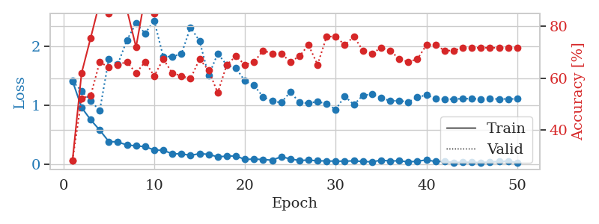
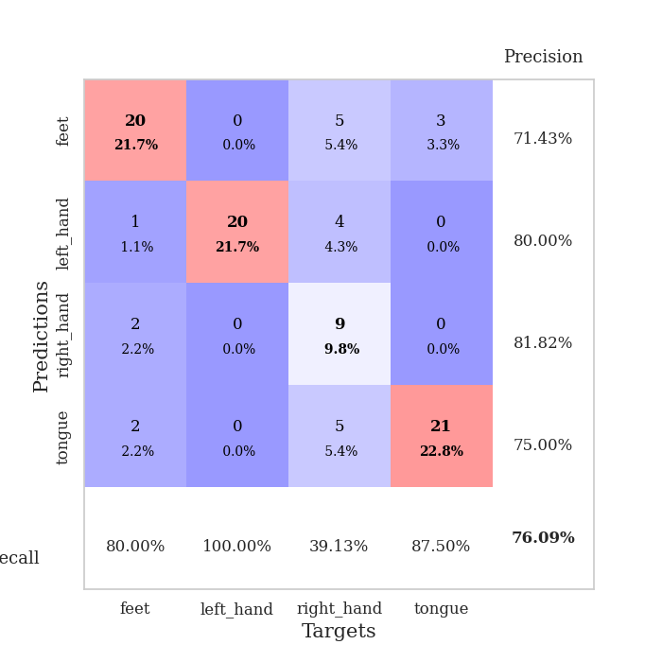
train_loss | valid_loss | train_accuracy | valid_accuracy | dur | train_misclass | valid_misclass
1.4116143455 | 1.4027563437 | 0.28260869565 | 0.28260869565 | 0.079834699631 | 28.260869565 | 28.260869565
0.95923160729 | 1.240975411 | 0.61956521739 | 0.52173913043 | 0.078522443771 | 61.956521739 | 52.173913043
0.75086348212 | 1.074156375 | 0.75543478261 | 0.53260869565 | 0.078900575638 | 75.543478261 | 53.260869565
0.57456643296 | 0.90708057518 | 0.89402173913 | 0.66304347826 | 0.079095602036 | 89.402173913 | 66.304347826
0.38067331586 | 1.7837471236 | 0.85054347826 | 0.64130434783 | 0.079334974289 | 85.054347826 | 64.130434783
0.373406613 | 1.6983985901 | 0.88586956522 | 0.65217391304 | 0.08740735054 | 88.586956522 | 65.217391304
0.32148331533 | 2.1069031902 | 0.86413043478 | 0.66304347826 | 0.079875946045 | 86.413043478 | 66.304347826
0.30780004418 | 2.3921272444 | 0.72010869565 | 0.61956521739 | 0.079460144043 | 72.010869565 | 61.956521739
0.29377719792 | 2.2189534125 | 0.91576086957 | 0.66304347826 | 0.079316616058 | 91.576086957 | 66.304347826
0.23799953253 | 2.4377485462 | 0.85054347826 | 0.60869565217 | 0.079471588135 | 85.054347826 | 60.869565217
0.22957699778 | 1.821238269 | 0.96467391304 | 0.67391304348 | 0.07962179184 | 96.467391304 | 67.391304348
0.17467639984 | 1.8276641576 | 0.96195652174 | 0.61956521739 | 0.079278945923 | 96.195652174 | 61.956521739
0.17043750166 | 1.8687144051 | 0.98097826087 | 0.60869565217 | 0.079889059067 | 98.097826087 | 60.869565217
0.14616841353 | 2.3232575189 | 0.92663043478 | 0.59782608696 | 0.079714536667 | 92.663043478 | 59.782608696
0.17409551014 | 2.0888160415 | 0.95108695652 | 0.67391304348 | 0.081659793854 | 95.108695652 | 67.391304348
0.16426324537 | 1.501484845 | 0.98097826087 | 0.63043478261 | 0.07954287529 | 98.097826087 | 63.043478261
0.11878039518 | 1.8766779537 | 0.95652173913 | 0.54347826087 | 0.081409215927 | 95.652173913 | 54.347826087
0.1337807849 | 1.6820890282 | 0.97282608696 | 0.65217391304 | 0.080095767975 | 97.282608696 | 65.217391304
0.13452210338 | 1.6285461291 | 0.99456521739 | 0.6847826087 | 0.081297397614 | 99.456521739 | 68.47826087
0.076788229706 | 1.4118483533 | 0.99456521739 | 0.65217391304 | 0.079742670059 | 99.456521739 | 65.217391304
0.081918061711 | 1.3352390217 | 0.99184782609 | 0.66304347826 | 0.079305171967 | 99.184782609 | 66.304347826
0.075384433786 | 1.1404886945 | 1 | 0.70652173913 | 0.079746484756 | 100 | 70.652173913
0.063652212833 | 1.0675933102 | 1 | 0.69565217391 | 0.079849720001 | 100 | 69.565217391
0.12365931694 | 1.0427527402 | 1 | 0.69565217391 | 0.079909324646 | 100 | 69.565217391
0.084655916966 | 1.2242603406 | 0.9972826087 | 0.66304347826 | 0.079521179199 | 99.72826087 | 66.304347826
0.05915498691 | 1.0458525471 | 1 | 0.6847826087 | 0.079209089279 | 100 | 68.47826087
0.065060023988 | 1.0309877655 | 1 | 0.72826086957 | 0.079245567322 | 100 | 72.826086957
0.052628243524 | 1.0623654153 | 1 | 0.65217391304 | 0.079383611679 | 100 | 65.217391304
0.05106896073 | 1.0182835226 | 1 | 0.76086956522 | 0.078846931458 | 100 | 76.086956522
0.046759575119 | 0.92670580486 | 1 | 0.76086956522 | 0.079129934311 | 100 | 76.086956522
0.047391559007 | 1.1520635201 | 1 | 0.72826086957 | 0.079357385635 | 100 | 72.826086957
0.052253763961 | 1.0058666105 | 1 | 0.76086956522 | 0.079488277435 | 100 | 76.086956522
0.041594607948 | 1.1680114192 | 1 | 0.70652173913 | 0.07920050621 | 100 | 70.652173913
0.035687451332 | 1.1839811854 | 1 | 0.69565217391 | 0.079365253448 | 100 | 69.565217391
0.06393225407 | 1.1214604559 | 1 | 0.71739130435 | 0.079315423965 | 100 | 71.739130435
0.049237440198 | 1.072268499 | 1 | 0.70652173913 | 0.079347133636 | 100 | 70.652173913
0.053952014701 | 1.0761236082 | 1 | 0.67391304348 | 0.079194545746 | 100 | 67.391304348
0.034439818468 | 1.052997983 | 1 | 0.66304347826 | 0.079375505447 | 100 | 66.304347826
0.046429746369 | 1.1313942956 | 1 | 0.67391304348 | 0.079365491867 | 100 | 67.391304348
0.067741508312 | 1.1732356211 | 1 | 0.72826086957 | 0.079413175583 | 100 | 72.826086957
0.041351137273 | 1.1135872732 | 1 | 0.72826086957 | 0.079162359238 | 100 | 72.826086957
0.046005624559 | 1.1012319637 | 1 | 0.70652173913 | 0.079143047333 | 100 | 70.652173913
0.024790885271 | 1.102831444 | 1 | 0.70652173913 | 0.079433917999 | 100 | 70.652173913
0.028714094007 | 1.1095269271 | 1 | 0.71739130435 | 0.079260587692 | 100 | 71.739130435
0.029807301582 | 1.1091367758 | 1 | 0.71739130435 | 0.079196214676 | 100 | 71.739130435
0.022945127328 | 1.1042793937 | 1 | 0.71739130435 | 0.079229593277 | 100 | 71.739130435
0.034723993674 | 1.1052297665 | 1 | 0.71739130435 | 0.079214096069 | 100 | 71.739130435
0.04252132784 | 1.1048028106 | 1 | 0.71739130435 | 0.079238176346 | 100 | 71.739130435
0.048077632774 | 1.1045646797 | 1 | 0.71739130435 | 0.079044818878 | 100 | 71.739130435
0.025664497197 | 1.1063659165 | 1 | 0.71739130435 | 0.079335689545 | 100 | 71.739130435

Best Val accuracy is 0.7608695652173914 and Best test accuracy is 0.6637931034482759

Sheet8
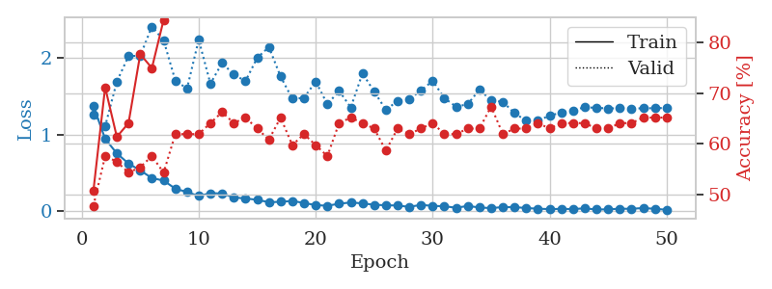
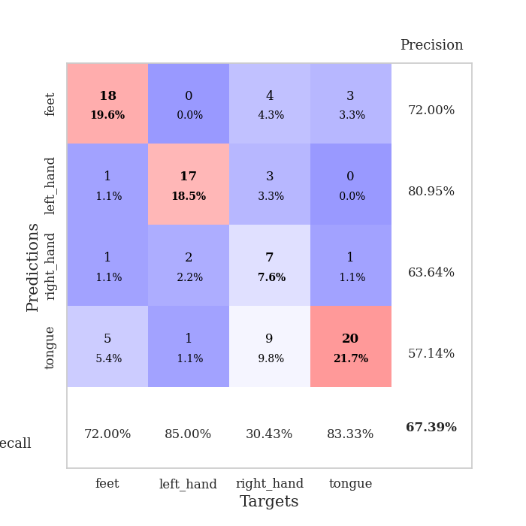
train_loss | valid_loss | train_accuracy | valid_accuracy | dur | train_misclass | valid_misclass
1.3724463867 | 1.2666830343 | 0.50815217391 | 0.47826086957 | 0.079745054245 | 50.815217391 | 47.826086957
0.94675932501 | 1.1093002247 | 0.71195652174 | 0.57608695652 | 0.079436063766 | 71.195652174 | 57.608695652
0.75538562821 | 1.6933445257 | 0.61413043478 | 0.5652173913 | 0.079196214676 | 61.413043478 | 56.52173913
0.62245101773 | 2.0281762351 | 0.64130434783 | 0.54347826087 | 0.079218387604 | 64.130434783 | 54.347826087
0.53317200749 | 2.0305821481 | 0.77717391304 | 0.55434782609 | 0.07946228981 | 77.717391304 | 55.434782609
0.43201586086 | 2.4141651547 | 0.75 | 0.57608695652 | 0.079498052597 | 75 | 57.608695652
0.40052954788 | 2.2334384296 | 0.84510869565 | 0.54347826087 | 0.079217195511 | 84.510869565 | 54.347826087
0.293860889 | 1.7072333979 | 0.94293478261 | 0.61956521739 | 0.079447031021 | 94.293478261 | 61.956521739
0.25022121163 | 1.6028551433 | 0.96467391304 | 0.61956521739 | 0.079120397568 | 96.467391304 | 61.956521739
0.19843902245 | 2.241148845 | 0.9347826087 | 0.61956521739 | 0.079294681549 | 93.47826087 | 61.956521739
0.23540043005 | 1.6669806812 | 0.95380434783 | 0.64130434783 | 0.079343557358 | 95.380434783 | 64.130434783
0.23149005008 | 1.93750708 | 0.95652173913 | 0.66304347826 | 0.07911324501 | 95.652173913 | 66.304347826
0.17895894757 | 1.7854303484 | 0.98369565217 | 0.64130434783 | 0.078809261322 | 98.369565217 | 64.130434783
0.16619388856 | 1.7012157181 | 0.98913043478 | 0.65217391304 | 0.079140663147 | 98.913043478 | 65.217391304
0.14857422257 | 2.00477031 | 0.97554347826 | 0.63043478261 | 0.079549074173 | 97.554347826 | 63.043478261
0.11724768644 | 2.1454041004 | 0.98097826087 | 0.60869565217 | 0.079434394836 | 98.097826087 | 60.869565217
0.12252330642 | 1.7597075131 | 0.99184782609 | 0.65217391304 | 0.081454753876 | 99.184782609 | 65.217391304
0.13394778667 | 1.4706785161 | 0.99456521739 | 0.59782608696 | 0.080096960068 | 99.456521739 | 59.782608696
0.1073648666 | 1.4807710285 | 0.9972826087 | 0.61956521739 | 0.07977604866 | 99.72826087 | 61.956521739
0.0794292247 | 1.6959800979 | 0.9972826087 | 0.59782608696 | 0.079346179962 | 99.72826087 | 59.782608696
0.070945053361 | 1.3973930038 | 0.98913043478 | 0.57608695652 | 0.079709291458 | 98.913043478 | 57.608695652
0.097266720041 | 1.5735053083 | 1 | 0.64130434783 | 0.079844474792 | 100 | 64.130434783
0.11406714246 | 1.3556719707 | 1 | 0.65217391304 | 0.079567909241 | 100 | 65.217391304
0.10190139031 | 1.8022732683 | 0.9972826087 | 0.64130434783 | 0.079710245132 | 99.72826087 | 64.130434783
0.084134418943 | 1.563129425 | 1 | 0.63043478261 | 0.079476594925 | 100 | 63.043478261
0.077195696087 | 1.3254723186 | 1 | 0.58695652174 | 0.079416751862 | 100 | 58.695652174
0.074108490761 | 1.4397458045 | 1 | 0.63043478261 | 0.079515218735 | 100 | 63.043478261
0.055825828726 | 1.4664596682 | 1 | 0.61956521739 | 0.079405069351 | 100 | 61.956521739
0.082861597488 | 1.5760954178 | 1 | 0.63043478261 | 0.079839944839 | 100 | 63.043478261
0.068737254134 | 1.7036136752 | 0.9972826087 | 0.64130434783 | 0.07942533493 | 99.72826087 | 64.130434783
0.064859386908 | 1.4789338216 | 1 | 0.61956521739 | 0.079581737518 | 100 | 61.956521739
0.044136976681 | 1.3652801306 | 1 | 0.61956521739 | 0.079647064209 | 100 | 61.956521739
0.068599295539 | 1.3987488565 | 1 | 0.63043478261 | 0.079562425613 | 100 | 63.043478261
0.047832579109 | 1.5899132335 | 1 | 0.63043478261 | 0.079576015472 | 100 | 63.043478261
0.040421879992 | 1.4470819053 | 1 | 0.67391304348 | 0.079786539078 | 100 | 67.391304348
0.053294037469 | 1.4287309724 | 1 | 0.61956521739 | 0.079753398895 | 100 | 61.956521739
0.052201861597 | 1.2813134867 | 1 | 0.63043478261 | 0.07986998558 | 100 | 63.043478261
0.041532759291 | 1.1822162633 | 1 | 0.63043478261 | 0.079703330994 | 100 | 63.043478261
0.031493168132 | 1.1873273539 | 1 | 0.64130434783 | 0.079348802567 | 100 | 64.130434783
0.027392763321 | 1.2471475757 | 1 | 0.63043478261 | 0.079400539398 | 100 | 63.043478261
0.029841879788 | 1.2906362751 | 1 | 0.64130434783 | 0.079105615616 | 100 | 64.130434783
0.027744039174 | 1.3184637324 | 1 | 0.64130434783 | 0.07915687561 | 100 | 64.130434783
0.037092646665 | 1.3582064639 | 1 | 0.64130434783 | 0.079659223557 | 100 | 64.130434783
0.021562208138 | 1.3510910843 | 1 | 0.63043478261 | 0.079817295074 | 100 | 63.043478261
0.024351020141 | 1.343280318 | 1 | 0.63043478261 | 0.079695701599 | 100 | 63.043478261
0.031813060035 | 1.344974637 | 1 | 0.64130434783 | 0.079578399658 | 100 | 64.130434783
0.031038020171 | 1.3436317185 | 1 | 0.64130434783 | 0.079723834991 | 100 | 64.130434783
0.041122824652 | 1.3439138972 | 1 | 0.65217391304 | 0.079769849777 | 100 | 65.217391304
0.030813139175 | 1.3472476835 | 1 | 0.65217391304 | 0.079670667648 | 100 | 65.217391304
0.018520628325 | 1.348566133 | 1 | 0.65217391304 | 0.079625606537 | 100 | 65.217391304

Best Val accuracy is 0.6739130434782609 and Best test accuracy is 0.7241379310344828

Sheet9
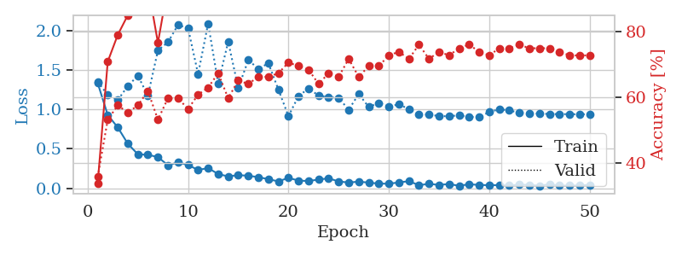
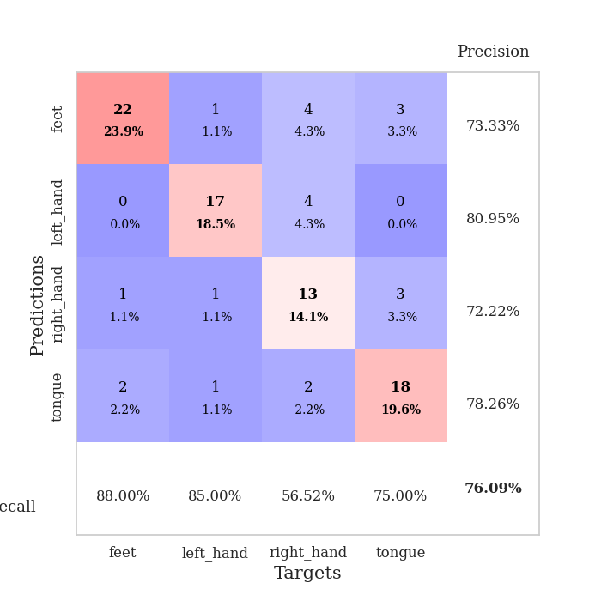
train_loss | valid_loss | train_accuracy | valid_accuracy | dur | train_misclass | valid_misclass
1.3334136631 | 1.3516387473 | 0.33967391304 | 0.35869565217 | 0.079305887222 | 33.967391304 | 35.869565217
0.92870582705 | 1.1827538946 | 0.70923913043 | 0.53260869565 | 0.079329013824 | 70.923913043 | 53.260869565
0.77130339716 | 1.1183009355 | 0.79076086957 | 0.57608695652 | 0.078532934189 | 79.076086957 | 57.608695652
0.56490672023 | 1.2971269618 | 0.85054347826 | 0.55434782609 | 0.078573942184 | 85.054347826 | 55.434782609
0.43084405363 | 1.4277179552 | 0.88858695652 | 0.57608695652 | 0.078461408615 | 88.858695652 | 57.608695652
0.42385190077 | 1.1735546589 | 0.9402173913 | 0.61956521739 | 0.079426527023 | 94.02173913 | 61.956521739
0.39565674507 | 1.7479094319 | 0.76630434783 | 0.53260869565 | 0.08200097084 | 76.630434783 | 53.260869565
0.29066007487 | 1.8534976918 | 0.9402173913 | 0.59782608696 | 0.079066038132 | 94.02173913 | 59.782608696
0.32851918236 | 2.0710741955 | 0.89130434783 | 0.59782608696 | 0.079288244247 | 89.130434783 | 59.782608696
0.29467248139 | 2.0304155868 | 0.875 | 0.5652173913 | 0.079625844955 | 87.5 | 56.52173913
0.23193966597 | 1.4475163791 | 0.98913043478 | 0.60869565217 | 0.079575300217 | 98.913043478 | 60.869565217
0.25568188792 | 2.0896493248 | 0.91304347826 | 0.63043478261 | 0.07986998558 | 91.304347826 | 63.043478261
0.18040107069 | 1.3306411246 | 0.97554347826 | 0.67391304348 | 0.080271482468 | 97.554347826 | 67.391304348
0.14950187682 | 1.8586355189 | 0.94836956522 | 0.59782608696 | 0.080324888229 | 94.836956522 | 59.782608696
0.16699886395 | 1.2705667434 | 0.98097826087 | 0.65217391304 | 0.080103874207 | 98.097826087 | 65.217391304
0.15785479805 | 1.6262163649 | 0.98097826087 | 0.64130434783 | 0.079987764359 | 98.097826087 | 64.130434783
0.14145494188 | 1.5148979218 | 0.98641304348 | 0.66304347826 | 0.080013513565 | 98.641304348 | 66.304347826
0.11439537544 | 1.5843011296 | 0.98913043478 | 0.66304347826 | 0.0798869133 | 98.913043478 | 66.304347826
0.087120134505 | 1.2507962818 | 0.99184782609 | 0.67391304348 | 0.08003115654 | 99.184782609 | 67.391304348
0.13180873503 | 0.9145335581 | 0.98913043478 | 0.70652173913 | 0.080020666122 | 98.913043478 | 70.652173913
0.096922662676 | 1.1688762437 | 0.9972826087 | 0.69565217391 | 0.080488681793 | 99.72826087 | 69.565217391
0.091636974203 | 1.2650503438 | 0.9972826087 | 0.6847826087 | 0.079792976379 | 99.72826087 | 68.47826087
0.10982719481 | 1.1757842872 | 0.98369565217 | 0.64130434783 | 0.079668521881 | 98.369565217 | 64.130434783
0.12598929603 | 1.1541465288 | 0.99456521739 | 0.67391304348 | 0.079741239548 | 99.456521739 | 67.391304348
0.085787614322 | 1.1459934763 | 1 | 0.66304347826 | 0.079968929291 | 100 | 66.304347826
0.072870594409 | 0.99570975355 | 1 | 0.71739130435 | 0.079413890839 | 100 | 71.739130435
0.083372953793 | 1.1951901602 | 1 | 0.66304347826 | 0.080287456512 | 100 | 66.304347826
0.071726308467 | 1.0294737699 | 1 | 0.69565217391 | 0.079944610596 | 100 | 69.565217391
0.058645347457 | 1.0831582365 | 1 | 0.69565217391 | 0.080067157745 | 100 | 69.565217391
0.057501517196 | 1.0343831687 | 1 | 0.72826086957 | 0.079740762711 | 100 | 72.826086957
0.073664448254 | 1.0657360035 | 1 | 0.73913043478 | 0.079753398895 | 100 | 73.913043478
0.089292128489 | 1.0022341635 | 1 | 0.71739130435 | 0.079705238342 | 100 | 71.739130435
0.038690121237 | 0.94116032318 | 1 | 0.76086956522 | 0.079523801804 | 100 | 76.086956522
0.055508615004 | 0.93209846901 | 1 | 0.71739130435 | 0.080359697342 | 100 | 71.739130435
0.042328485834 | 0.91655399359 | 1 | 0.73913043478 | 0.079904317856 | 100 | 73.913043478
0.053297507415 | 0.91118975826 | 1 | 0.72826086957 | 0.07973575592 | 100 | 72.826086957
0.030772624801 | 0.92724845785 | 1 | 0.75 | 0.079478263855 | 100 | 75
0.050960988171 | 0.90298384558 | 1 | 0.76086956522 | 0.079357147217 | 100 | 76.086956522
0.041407066964 | 0.90648464211 | 1 | 0.73913043478 | 0.079337835312 | 100 | 73.913043478
0.038841779931 | 0.96503147872 | 1 | 0.72826086957 | 0.079398870468 | 100 | 72.826086957
0.039125118891 | 1.0026712793 | 1 | 0.75 | 0.079354763031 | 100 | 75
0.033455881589 | 0.98668487176 | 1 | 0.75 | 0.079407215118 | 100 | 75
0.045535017888 | 0.95739658047 | 1 | 0.76086956522 | 0.079437732697 | 100 | 76.086956522
0.041438147416 | 0.94615924229 | 1 | 0.75 | 0.079461574554 | 100 | 75
0.032414699611 | 0.947852883 | 1 | 0.75 | 0.079357862473 | 100 | 75
0.049065402587 | 0.94079293116 | 1 | 0.75 | 0.079411029816 | 100 | 75
0.033524468258 | 0.94064507731 | 1 | 0.73913043478 | 0.079311132431 | 100 | 73.913043478
0.034084999124 | 0.93917728896 | 1 | 0.72826086957 | 0.079407691956 | 100 | 72.826086957
0.035088388209 | 0.93811819152 | 1 | 0.72826086957 | 0.079278945923 | 100 | 72.826086957
0.042115657246 | 0.93818857164 | 1 | 0.72826086957 | 0.079262733459 | 100 | 72.826086957

Best Val accuracy is 0.7608695652173914 and Best test accuracy is 0.6810344827586207

Sheet10
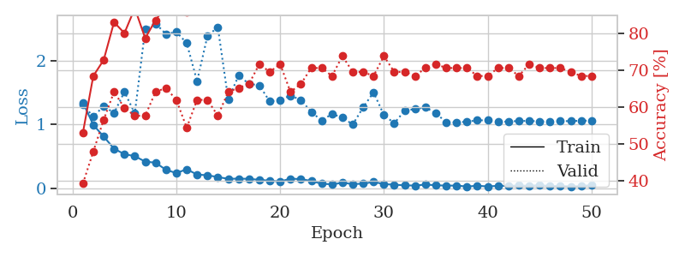
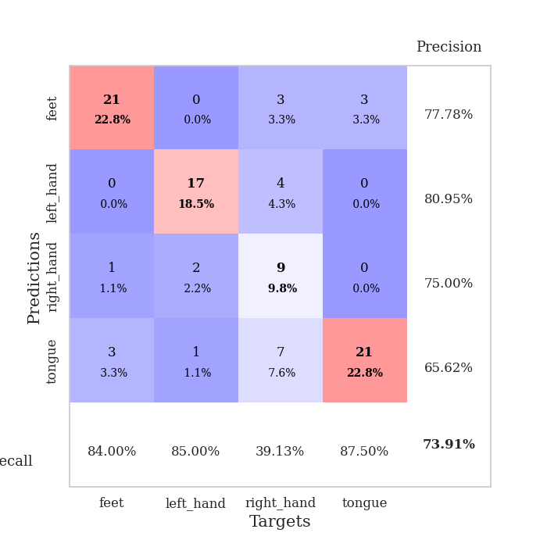
train_loss | valid_loss | train_accuracy | valid_accuracy | dur | train_misclass | valid_misclass
1.3454472578 | 1.3134915777 | 0.52989130435 | 0.39130434783 | 0.079976320267 | 52.989130435 | 39.130434783
0.99189458075 | 1.1193623335 | 0.6847826087 | 0.47826086957 | 0.082453727722 | 68.47826087 | 47.826086957
0.81000766936 | 1.2893395631 | 0.72826086957 | 0.5652173913 | 0.079498291016 | 72.826086957 | 56.52173913
0.61885245922 | 1.1769734725 | 0.83152173913 | 0.64130434783 | 0.079430580139 | 83.152173913 | 64.130434783
0.53278498546 | 1.5116786594 | 0.80163043478 | 0.59782608696 | 0.079874992371 | 80.163043478 | 59.782608696
0.50210688555 | 1.1718405952 | 0.86956521739 | 0.57608695652 | 0.08017706871 | 86.956521739 | 57.608695652
0.41619676514 | 2.4950917907 | 0.78804347826 | 0.57608695652 | 0.079690933228 | 78.804347826 | 57.608695652
0.39950698549 | 2.5820469234 | 0.83695652174 | 0.64130434783 | 0.080902099609 | 83.695652174 | 64.130434783
0.28760568247 | 2.4185693886 | 0.875 | 0.65217391304 | 0.079723834991 | 87.5 | 65.217391304
0.23623022826 | 2.451069552 | 0.91032608696 | 0.61956521739 | 0.079793214798 | 91.032608696 | 61.956521739
0.29643909374 | 2.276518376 | 0.85869565217 | 0.54347826087 | 0.079613447189 | 85.869565217 | 54.347826087
0.21276875229 | 1.677033611 | 0.97010869565 | 0.61956521739 | 0.07978272438 | 97.010869565 | 61.956521739
0.20224127473 | 2.3890468556 | 0.9375 | 0.61956521739 | 0.079643964767 | 93.75 | 61.956521739
0.17377237846 | 2.5250412796 | 0.91304347826 | 0.57608695652 | 0.079485416412 | 91.304347826 | 57.608695652
0.14618570924 | 1.3918881986 | 0.98913043478 | 0.64130434783 | 0.079509496689 | 98.913043478 | 64.130434783
0.14926720038 | 1.7639721373 | 0.97282608696 | 0.65217391304 | 0.079828023911 | 97.282608696 | 65.217391304
0.14589022327 | 1.6376688688 | 1 | 0.66304347826 | 0.079432010651 | 100 | 66.304347826
0.13027435687 | 1.6123909225 | 0.98369565217 | 0.71739130435 | 0.079747200012 | 98.369565217 | 71.739130435
0.11773127309 | 1.3597708267 | 1 | 0.69565217391 | 0.079813957214 | 100 | 69.565217391
0.103654262 | 1.3849920605 | 0.9972826087 | 0.71739130435 | 0.079600095749 | 99.72826087 | 71.739130435
0.14919197733 | 1.4520915436 | 0.99456521739 | 0.64130434783 | 0.079622030258 | 99.456521739 | 64.130434783
0.14127349538 | 1.3844763196 | 0.99184782609 | 0.66304347826 | 0.079686403275 | 99.184782609 | 66.304347826
0.11367492443 | 1.194785341 | 1 | 0.70652173913 | 0.079377889633 | 100 | 70.652173913
0.068755312256 | 1.0623677243 | 1 | 0.70652173913 | 0.079587936401 | 100 | 70.652173913
0.060962428622 | 1.162687483 | 0.9972826087 | 0.6847826087 | 0.079690694809 | 99.72826087 | 68.47826087
0.082426769861 | 1.1082589367 | 1 | 0.73913043478 | 0.079738855362 | 100 | 73.913043478
0.065430321326 | 0.99789703929 | 1 | 0.69565217391 | 0.07987165451 | 100 | 69.565217391
0.06887848736 | 1.2671476914 | 1 | 0.69565217391 | 0.083865404129 | 100 | 69.565217391
0.098556789003 | 1.5028886951 | 1 | 0.6847826087 | 0.080011367798 | 100 | 68.47826087
0.062741909014 | 1.1480360653 | 1 | 0.73913043478 | 0.079924106598 | 100 | 73.913043478
0.054638458963 | 1.0177518751 | 1 | 0.69565217391 | 0.079339981079 | 100 | 69.565217391
0.043959380431 | 1.2162020155 | 1 | 0.69565217391 | 0.078944444656 | 100 | 69.565217391
0.040817955853 | 1.2399921469 | 1 | 0.6847826087 | 0.078835725784 | 100 | 68.47826087
0.055625235804 | 1.2678903289 | 1 | 0.70652173913 | 0.078910827637 | 100 | 70.652173913
0.045756514589 | 1.1739112657 | 1 | 0.71739130435 | 0.079100131989 | 100 | 71.739130435
0.039365440475 | 1.0351686426 | 1 | 0.70652173913 | 0.078922271729 | 100 | 70.652173913
0.040701348962 | 1.0319672305 | 1 | 0.70652173913 | 0.078973293304 | 100 | 70.652173913
0.025148378503 | 1.0427335397 | 1 | 0.70652173913 | 0.079164028168 | 100 | 70.652173913
0.037557904669 | 1.0640895056 | 1 | 0.6847826087 | 0.079510211945 | 100 | 68.47826087
0.026567166064 | 1.063633955 | 1 | 0.6847826087 | 0.079531908035 | 100 | 68.47826087
0.036226499178 | 1.037778787 | 1 | 0.70652173913 | 0.079445362091 | 100 | 70.652173913
0.034838754906 | 1.0462233346 | 1 | 0.70652173913 | 0.079212427139 | 100 | 70.652173913
0.042185375366 | 1.0533030292 | 1 | 0.6847826087 | 0.079312801361 | 100 | 68.47826087
0.035774481361 | 1.0552898127 | 1 | 0.71739130435 | 0.079156398773 | 100 | 71.739130435
0.047279119411 | 1.047481739 | 1 | 0.70652173913 | 0.079356193542 | 100 | 70.652173913
0.032669359413 | 1.0445119246 | 1 | 0.70652173913 | 0.079281806946 | 100 | 70.652173913
0.032766985079 | 1.0499385388 | 1 | 0.70652173913 | 0.079257726669 | 100 | 70.652173913
0.027610967361 | 1.052802485 | 1 | 0.69565217391 | 0.07904958725 | 100 | 69.565217391
0.030437045407 | 1.0568742597 | 1 | 0.6847826087 | 0.07901263237 | 100 | 68.47826087
0.048415660686 | 1.0598642671 | 1 | 0.6847826087 | 0.078907728195 | 100 | 68.47826087

Best Val accuracy is 0.7391304347826086 and Best test accuracy is 0.6637931034482759

