Sheet
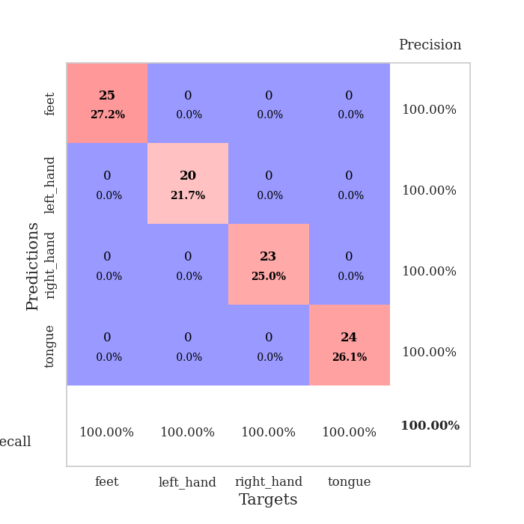
best_val_acc | best_val_los | best_test_acc
1 | 0.00095907153825 | 1
1 | 0.00018047197702 | 1
1 | 0.00015975995705 | 1
1 | 0.00041800630962 | 1
1 | 0.0013596699624 | 1
1 | 0.00072874154379 | 1
1 | 0.0012478947275 | 1
1 | 0.00085908422783 | 1
1 | 0.0010823315647 | 1
1 | 0.00041582572157 | 1

Mean,std Val accuracy is 1.0 , 0.0 and mean, std test accuracy is 1.0 , 0.0
best_val_acc | best_val_los | best_test_acc
1 | 0.0010730686557 | 1
1 | 0.0015195655971 | 1
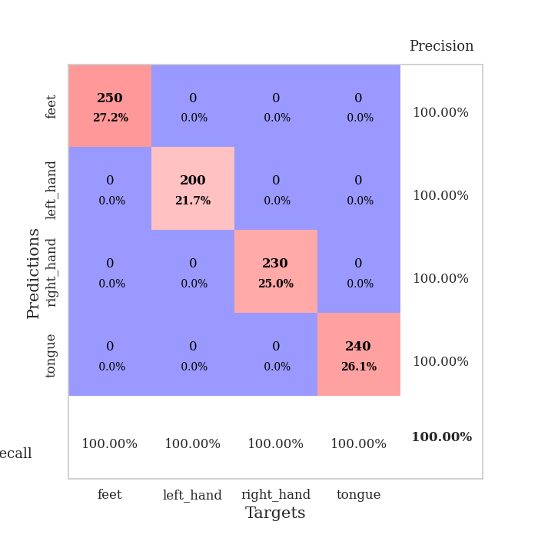
1 | 0.00089743029853 | 1
1 | 0.00068362436824 | 1
1 | 0.0010557088181 | 1
1 | 0.0010094339048 | 1
1 | 0.0016178911218 | 1
1 | 0.00052334743162 | 1
1 | 0.00095757655799 | 1
1 | 0.001235642926 | 1

Mean,std Val accuracy is 1.0 , 0.0 and mean, std test accuracy is 1.0 , 0.0

Sheet1
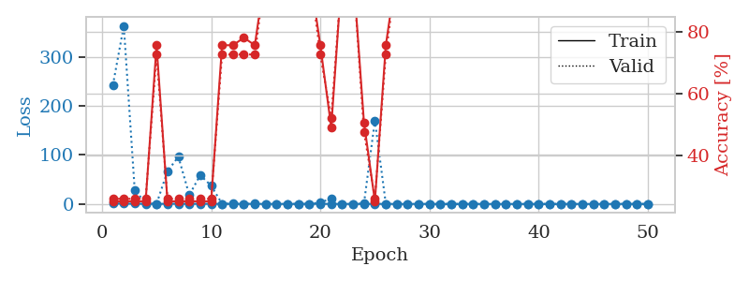
train_loss | valid_loss | train_accuracy | valid_accuracy | dur | train_misclass | valid_misclass
0.76120789932 | 4.3566633722 | 0.25 | 0.25 | 1.4741942883 | 25 | 25
0.4479503191 | 32.877088796 | 0.2527173913 | 0.26086956522 | 1.1248409748 | 25.27173913 | 26.086956522
0.51985148616 | 679.63231891 | 0.2527173913 | 0.26086956522 | 1.1254878044 | 25.27173913 | 26.086956522
0.53723178772 | 552.75877049 | 0.2527173913 | 0.26086956522 | 1.1242346764 | 25.27173913 | 26.086956522
0.15683243812 | 4.0228228051 | 0.50815217391 | 0.47826086957 | 1.1243331432 | 50.815217391 | 47.826086957
0.11995140313 | 3.3498037172 | 0.50815217391 | 0.47826086957 | 1.1250822544 | 50.815217391 | 47.826086957
0.13042873152 | 9.3894279521 | 0.49184782609 | 0.52173913043 | 1.1252117157 | 49.184782609 | 52.173913043
0.19078785193 | 1.6994729457 | 0.75815217391 | 0.72826086957 | 1.1258699894 | 75.815217391 | 72.826086957
0.1523321569 | 0.097830415096 | 1 | 1 | 1.1261174679 | 100 | 100
0.049237263753 | 0.010031301893 | 1 | 1 | 1.1252317429 | 100 | 100
0.044446208454 | 0.024716828099 | 1 | 1 | 1.1272900105 | 100 | 100
0.88309695458 | 924.18942128 | 0.2527173913 | 0.26086956522 | 1.1290261745 | 25.27173913 | 26.086956522
0.23366136776 | 240.24191881 | 0.2527173913 | 0.26086956522 | 1.1273720264 | 25.27173913 | 26.086956522
0.36936701651 | 1.3692853451 | 0.75815217391 | 0.72826086957 | 1.1279447079 | 75.815217391 | 72.826086957
0.094122522835 | 0.005274464518 | 1 | 1 | 1.1272764206 | 100 | 100
0.10379869428 | 0.0044885585489 | 1 | 1 | 1.1282558441 | 100 | 100
0.10240216169 | 0.2166585229 | 0.75815217391 | 0.72826086957 | 1.1290640831 | 75.815217391 | 72.826086957
0.29587468838 | 1.0872192175 | 0.75815217391 | 0.72826086957 | 1.1299083233 | 75.815217391 | 72.826086957
0.082869907993 | 0.073754580125 | 1 | 1 | 1.1295251846 | 100 | 100
0.060368532006 | 0.0020595459045 | 1 | 1 | 1.1300113201 | 100 | 100
0.10341790709 | 0.005304079685 | 1 | 1 | 1.1302018166 | 100 | 100
0.13217219186 | 0.014405925151 | 1 | 1 | 1.1334490776 | 100 | 100
0.11769255699 | 0.010774890852 | 1 | 1 | 1.1301808357 | 100 | 100
0.097846048378 | 0.014787898642 | 1 | 1 | 1.1311833858 | 100 | 100
0.044962467535 | 0.024639904823 | 1 | 1 | 1.1315624714 | 100 | 100
0.044703555658 | 0.033816816852 | 1 | 1 | 1.1317484379 | 100 | 100
0.14170929839 | 0.19007880597 | 1 | 1 | 1.1316390038 | 100 | 100
0.13880655824 | 1.0687233106 | 0.50815217391 | 0.47826086957 | 1.1322524548 | 50.815217391 | 47.826086957
0.065102179595 | 0.14960770082 | 1 | 1 | 1.1322505474 | 100 | 100
0.051444071644 | 0.27126680833 | 1 | 1 | 1.1319622993 | 100 | 100
0.21110733916 | 3.551445961 | 0.2527173913 | 0.26086956522 | 1.1319112778 | 25.27173913 | 26.086956522
0.049363398003 | 1.7830069894 | 0.2527173913 | 0.26086956522 | 1.1328496933 | 25.27173913 | 26.086956522
0.021331720735 | 4.4271137818 | 0.2527173913 | 0.26086956522 | 1.1317677498 | 25.27173913 | 26.086956522
0.056765919187 | 8.9760293131 | 0.2527173913 | 0.26086956522 | 1.1327893734 | 25.27173913 | 26.086956522
0.033930994849 | 10.785577276 | 0.2527173913 | 0.26086956522 | 1.1328063011 | 25.27173913 | 26.086956522
0.022690743577 | 8.6580080571 | 0.2527173913 | 0.26086956522 | 1.1319878101 | 25.27173913 | 26.086956522
0.11012299992 | 0.13036233122 | 1 | 1 | 1.1329698563 | 100 | 100
0.012931045319 | 0.0094045548416 | 1 | 1 | 1.1322689056 | 100 | 100
0.034769303499 | 2.2690542159 | 0.2527173913 | 0.26086956522 | 1.1338522434 | 25.27173913 | 26.086956522
0.11903633546 | 3.2034030064 | 0.2527173913 | 0.26086956522 | 1.1331701279 | 25.27173913 | 26.086956522
0.03456823997 | 0.037934398684 | 1 | 1 | 1.1342010498 | 100 | 100
0.10624129576 | 0.0013331417045 | 1 | 1 | 1.1363010406 | 100 | 100
0.0086199207505 | 0.0017562736504 | 1 | 1 | 1.136806488 | 100 | 100
0.0064616476606 | 0.0011459774004 | 1 | 1 | 1.1357357502 | 100 | 100
0.10933590963 | 0.0028470924387 | 1 | 1 | 1.1375658512 | 100 | 100
0.011275255688 | 0.0010298171648 | 1 | 1 | 1.1365582943 | 100 | 100
0.088609482314 | 0.0014089449187 | 1 | 1 | 1.1359579563 | 100 | 100
0.19149792033 | 0.0010753252351 | 1 | 1 | 1.1361303329 | 100 | 100
0.032211308249 | 0.00095907153825 | 1 | 1 | 1.1365308762 | 100 | 100
0.011005891598 | 0.0010945281955 | 1 | 1 | 1.1377065182 | 100 | 100

Best Val accuracy is 1.0 and Best test accuracy is 1.0
train_loss | valid_loss | train_accuracy | valid_accuracy | dur | train_misclass | valid_misclass
0.99773896 | 242.23009126 | 0.2527173913 | 0.26086956522 | 2.8915400505 | 25.27173913 | 26.086956522
0.68289479354 | 363.44755886 | 0.2527173913 | 0.26086956522 | 1.1275467873 | 25.27173913 | 26.086956522
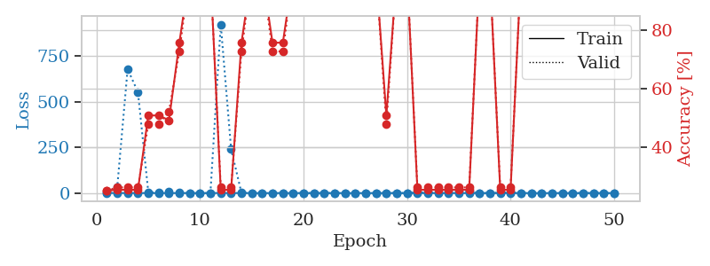
0.45862555893 | 27.977144905 | 0.2527173913 | 0.26086956522 | 1.1262609959 | 25.27173913 | 26.086956522
0.30463591639 | 2.3202634221 | 0.2527173913 | 0.26086956522 | 1.1267180443 | 25.27173913 | 26.086956522
0.22192001618 | 0.31569363177 | 0.75815217391 | 0.72826086957 | 1.1264519691 | 75.815217391 | 72.826086957
0.33018264871 | 66.722914488 | 0.2527173913 | 0.26086956522 | 1.1295690536 | 25.27173913 | 26.086956522
0.40538396411 | 96.32969367 | 0.2527173913 | 0.26086956522 | 1.1280319691 | 25.27173913 | 26.086956522
0.24136568371 | 18.19541558 | 0.2527173913 | 0.26086956522 | 1.1284704208 | 25.27173913 | 26.086956522
0.31513671099 | 58.676466403 | 0.2527173913 | 0.26086956522 | 1.1293697357 | 25.27173913 | 26.086956522
0.2747709854 | 37.342171213 | 0.2527173913 | 0.26086956522 | 1.1283304691 | 25.27173913 | 26.086956522
0.26814718565 | 0.37341782256 | 0.75815217391 | 0.72826086957 | 1.1311292648 | 75.815217391 | 72.826086957
0.12319303324 | 0.53963771981 | 0.75815217391 | 0.72826086957 | 1.1300122738 | 75.815217391 | 72.826086957
0.23136536072 | 0.22229802608 | 0.78260869565 | 0.72826086957 | 1.1307113171 | 78.260869565 | 72.826086957
0.1728947046 | 0.48851815644 | 0.75815217391 | 0.72826086957 | 1.1307351589 | 75.815217391 | 72.826086957
0.14452950579 | 0.016861397895 | 1 | 1 | 1.1323595047 | 100 | 100
0.23153646436 | 0.032955487866 | 1 | 1 | 1.1339464188 | 100 | 100
0.055068690937 | 0.05974860133 | 1 | 1 | 1.1308121681 | 100 | 100
0.17621120926 | 0.23212176302 | 1 | 1 | 1.1327369213 | 100 | 100
0.19724603807 | 0.10291669745 | 1 | 1 | 1.1318025589 | 100 | 100
0.22569907991 | 3.1613616943 | 0.75815217391 | 0.72826086957 | 1.1326248646 | 75.815217391 | 72.826086957
0.098350338982 | 10.698465969 | 0.49184782609 | 0.52173913043 | 1.1320757866 | 49.184782609 | 52.173913043
0.18770192608 | 0.0023641379388 | 1 | 1 | 1.1318488121 | 100 | 100
0.045972625026 | 0.055371010109 | 1 | 1 | 1.1323087215 | 100 | 100
0.21569289993 | 0.92263140627 | 0.50815217391 | 0.47826086957 | 1.1336402893 | 50.815217391 | 47.826086957
0.14404224441 | 170.25006037 | 0.2527173913 | 0.26086956522 | 1.1330492496 | 25.27173913 | 26.086956522
0.13654092115 | 0.33716430224 | 0.75815217391 | 0.72826086957 | 1.1330766678 | 75.815217391 | 72.826086957
0.046545102241 | 0.0051995023235 | 1 | 1 | 1.133636713 | 100 | 100
0.080472680953 | 0.0020418628018 | 1 | 1 | 1.1336681843 | 100 | 100
0.17755310224 | 0.0049076374499 | 1 | 1 | 1.1335446835 | 100 | 100
0.053777900626 | 0.0067833545415 | 1 | 1 | 1.134264946 | 100 | 100
0.014688977516 | 0.002327086819 | 1 | 1 | 1.1336672306 | 100 | 100
0.01661953903 | 0.0019133306797 | 1 | 1 | 1.1342682838 | 100 | 100
0.033800829587 | 0.0031931708445 | 1 | 1 | 1.1344635487 | 100 | 100
0.11873940478 | 0.0019836746936 | 1 | 1 | 1.1346254349 | 100 | 100
0.027709319874 | 0.0015179606549 | 1 | 1 | 1.1349616051 | 100 | 100
0.049643953513 | 0.0043593787021 | 1 | 1 | 1.1341173649 | 100 | 100
0.017721244334 | 0.0019846577906 | 1 | 1 | 1.1345713139 | 100 | 100
0.017989216742 | 0.0018357289044 | 1 | 1 | 1.1354236603 | 100 | 100
0.015772636494 | 0.0012861551241 | 1 | 1 | 1.135240078 | 100 | 100
0.023783169836 | 0.0010959494899 | 1 | 1 | 1.1349949837 | 100 | 100
0.0037495938848 | 0.0011759900397 | 1 | 1 | 1.1349463463 | 100 | 100
0.031476195714 | 0.0012997091677 | 1 | 1 | 1.1352369785 | 100 | 100
0.08507556037 | 0.0018149890087 | 1 | 1 | 1.1382045746 | 100 | 100
0.028116005554 | 0.0013203564019 | 1 | 1 | 1.1403753757 | 100 | 100
0.011544277444 | 0.0012810757313 | 1 | 1 | 1.1408393383 | 100 | 100
0.12552969126 | 0.0014560750493 | 1 | 1 | 1.1404025555 | 100 | 100
0.029551652452 | 0.0011871034107 | 1 | 1 | 1.1407380104 | 100 | 100
0.25955851601 | 0.0011661129032 | 1 | 1 | 1.1410708427 | 100 | 100
0.14164414681 | 0.0010730686557 | 1 | 1 | 1.141176939 | 100 | 100
0.07973370778 | 0.0015260017396 | 1 | 1 | 1.1408722401 | 100 | 100

Best Val accuracy is 1.0 and Best test accuracy is 1.0

Sheet2
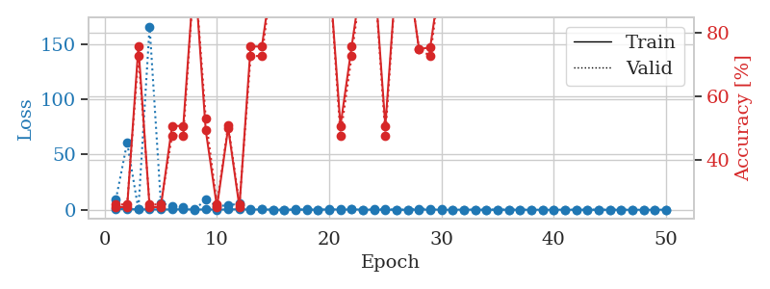
train_loss | valid_loss | train_accuracy | valid_accuracy | dur | train_misclass | valid_misclass
0.9246503037 | 124.93467779 | 0.2527173913 | 0.26086956522 | 1.1397151947 | 25.27173913 | 26.086956522
0.48879844922 | 10.618111776 | 0.2527173913 | 0.26086956522 | 1.133898735 | 25.27173913 | 26.086956522
0.25153843816 | 98.224581843 | 0.2527173913 | 0.26086956522 | 1.1336443424 | 25.27173913 | 26.086956522
0.060268103226 | 5.4782958031 | 0.2527173913 | 0.26086956522 | 1.1331999302 | 25.27173913 | 26.086956522
0.056796688283 | 40.621438068 | 0.2527173913 | 0.26086956522 | 1.1326777935 | 25.27173913 | 26.086956522
0.20527758984 | 54.513614323 | 0.2527173913 | 0.26086956522 | 1.1325628757 | 25.27173913 | 26.086956522
0.28182886517 | 723.78870956 | 0.2527173913 | 0.26086956522 | 1.1334512234 | 25.27173913 | 26.086956522
0.26011658545 | 187.36235842 | 0.2527173913 | 0.26086956522 | 1.1328089237 | 25.27173913 | 26.086956522
0.30881139268 | 6.4819040506 | 0.5027173913 | 0.51086956522 | 1.1331858635 | 50.27173913 | 51.086956522
0.080687666747 | 11.62226706 | 0.49456521739 | 0.53260869565 | 1.13473773 | 49.456521739 | 53.260869565
0.090678269398 | 84.129737854 | 0.2527173913 | 0.26086956522 | 1.1344847679 | 25.27173913 | 26.086956522
0.085631714142 | 5.7236784852 | 0.74456521739 | 0.78260869565 | 1.1331672668 | 74.456521739 | 78.260869565
0.19868059393 | 15.494027387 | 0.2527173913 | 0.26086956522 | 1.1344311237 | 25.27173913 | 26.086956522
0.29446176968 | 11.855144169 | 0.5027173913 | 0.51086956522 | 1.1340727806 | 50.27173913 | 51.086956522
0.04086998798 | 3.959368374 | 0.74456521739 | 0.78260869565 | 1.1341664791 | 74.456521739 | 78.260869565
0.061847285651 | 1.9079558279 | 0.74456521739 | 0.78260869565 | 1.1338260174 | 74.456521739 | 78.260869565
0.052880464613 | 6.7957593047 | 0.49184782609 | 0.52173913043 | 1.1338088512 | 49.184782609 | 52.173913043
0.035443173279 | 3.5566741591 | 0.74456521739 | 0.78260869565 | 1.1333372593 | 74.456521739 | 78.260869565
0.038686886367 | 0.0028336542031 | 1 | 1 | 1.1363391876 | 100 | 100
0.083272271452 | 3.4573380118 | 0.5027173913 | 0.51086956522 | 1.1347105503 | 50.27173913 | 51.086956522
0.20827987101 | 61.878238346 | 0.2527173913 | 0.26086956522 | 1.1343336105 | 25.27173913 | 26.086956522
0.27695812963 | 3.4089924667 | 0.74456521739 | 0.78260869565 | 1.1368763447 | 74.456521739 | 78.260869565
0.31446161748 | 608.5907062 | 0.2527173913 | 0.26086956522 | 1.1372544765 | 25.27173913 | 26.086956522
0.10876666116 | 24.355376451 | 0.2527173913 | 0.26086956522 | 1.1368911266 | 25.27173913 | 26.086956522
0.20600588403 | 5.2511433104 | 0.74456521739 | 0.78260869565 | 1.1369042397 | 74.456521739 | 78.260869565
0.009662038925 | 0.12256864264 | 1 | 1 | 1.1368410587 | 100 | 100
0.0070069811532 | 0.00043075715581 | 1 | 1 | 1.1371822357 | 100 | 100
0.0048850795897 | 0.00058926732289 | 1 | 1 | 1.1377110481 | 100 | 100
0.016401165194 | 0.00039534258489 | 1 | 1 | 1.1374781132 | 100 | 100
0.0079072436125 | 0.00069963907995 | 1 | 1 | 1.1375188828 | 100 | 100
0.007534573121 | 0.000376182912 | 1 | 1 | 1.1368265152 | 100 | 100
0.004446602603 | 0.0002248131894 | 1 | 1 | 1.1379227638 | 100 | 100
0.0019961957429 | 0.0002620979807 | 1 | 1 | 1.1374795437 | 100 | 100
0.002614907306 | 0.00026206042853 | 1 | 1 | 1.1385519505 | 100 | 100
0.02543328777 | 0.90958225209 | 0.74456521739 | 0.78260869565 | 1.1386806965 | 74.456521739 | 78.260869565
0.025434090259 | 0.00247270827 | 1 | 1 | 1.1388142109 | 100 | 100
0.045611431283 | 0.0022480031678 | 1 | 1 | 1.1387479305 | 100 | 100
0.0029004761271 | 0.00032443879615 | 1 | 1 | 1.13940382 | 100 | 100
0.13790036578 | 0.00058790086515 | 1 | 1 | 1.1395840645 | 100 | 100
0.035698730319 | 0.00049984252394 | 1 | 1 | 1.1397144794 | 100 | 100
0.036639769913 | 0.00026398373808 | 1 | 1 | 1.1405754089 | 100 | 100
0.0034148323858 | 0.00028918073614 | 1 | 1 | 1.1400675774 | 100 | 100
0.012020983052 | 0.00022654745313 | 1 | 1 | 1.1398835182 | 100 | 100
0.099969688985 | 0.0020670562061 | 1 | 1 | 1.1400008202 | 100 | 100
0.0054616772882 | 0.0002518402553 | 1 | 1 | 1.1401238441 | 100 | 100
0.010738606265 | 0.00022309709343 | 1 | 1 | 1.14031744 | 100 | 100
0.0014417190503 | 0.00021160663417 | 1 | 1 | 1.1404237747 | 100 | 100
0.046964408198 | 0.00022086034005 | 1 | 1 | 1.1403963566 | 100 | 100
0.021731107637 | 0.00018047197702 | 1 | 1 | 1.1425185204 | 100 | 100
0.017731253928 | 0.00019065263041 | 1 | 1 | 1.1395530701 | 100 | 100

Best Val accuracy is 1.0 and Best test accuracy is 1.0
train_loss | valid_loss | train_accuracy | valid_accuracy | dur | train_misclass | valid_misclass
0.8234218657 | 9.3675066492 | 0.2527173913 | 0.26086956522 | 1.1463515759 | 25.27173913 | 26.086956522
0.56801613906 | 60.741074272 | 0.2527173913 | 0.26086956522 | 1.1382002831 | 25.27173913 | 26.086956522
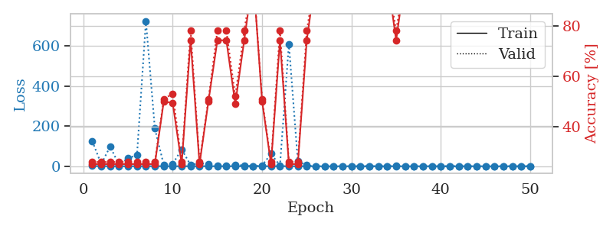
0.40421025779 | 0.26510524685 | 0.75815217391 | 0.72826086957 | 1.1797626019 | 75.815217391 | 72.826086957
0.31006789888 | 165.82907503 | 0.2527173913 | 0.26086956522 | 1.1847934723 | 25.27173913 | 26.086956522
0.24765789687 | 6.2644648759 | 0.2527173913 | 0.26086956522 | 1.1469023228 | 25.27173913 | 26.086956522
0.315651843 | 3.030802281 | 0.50815217391 | 0.47826086957 | 1.1334271431 | 50.815217391 | 47.826086957
0.39325012712 | 2.3927866635 | 0.50815217391 | 0.47826086957 | 1.1344337463 | 50.815217391 | 47.826086957
0.25299208247 | 0.15632518802 | 1 | 1 | 1.1345152855 | 100 | 100
0.2593748838 | 9.0296014081 | 0.49456521739 | 0.53260869565 | 1.136349678 | 49.456521739 | 53.260869565
0.17467820555 | 3.3428250085 | 0.2527173913 | 0.26086956522 | 1.1348407269 | 25.27173913 | 26.086956522
0.23275759654 | 4.018280247 | 0.5027173913 | 0.51086956522 | 1.1345565319 | 50.27173913 | 51.086956522
0.49340022631 | 5.5096049723 | 0.2527173913 | 0.26086956522 | 1.1366579533 | 25.27173913 | 26.086956522
0.16061593714 | 0.9470146117 | 0.75815217391 | 0.72826086957 | 1.1395945549 | 75.815217391 | 72.826086957
0.34397298519 | 0.35229356781 | 0.75815217391 | 0.72826086957 | 1.1397588253 | 75.815217391 | 72.826086957
0.061119641339 | 0.13533670099 | 1 | 1 | 1.1406328678 | 100 | 100
0.036248423888 | 0.0088194223607 | 1 | 1 | 1.1404671669 | 100 | 100
0.22456775556 | 0.018441853883 | 1 | 1 | 1.1399486065 | 100 | 100
0.15567303161 | 0.22133241335 | 1 | 1 | 1.1405332088 | 100 | 100
0.031241507907 | 0.019134330442 | 1 | 1 | 1.1392359734 | 100 | 100
0.43261918685 | 0.11682690129 | 1 | 1 | 1.1398739815 | 100 | 100
0.15690807423 | 0.58791368681 | 0.50815217391 | 0.47826086957 | 1.1400632858 | 50.815217391 | 47.826086957
0.28455694805 | 0.53502070256 | 0.75815217391 | 0.72826086957 | 1.140062809 | 75.815217391 | 72.826086957
0.19057449168 | 0.11000966669 | 1 | 1 | 1.1402201653 | 100 | 100
0.056511831976 | 0.26018804895 | 1 | 1 | 1.1399614811 | 100 | 100
0.05783955685 | 0.44452781651 | 0.50815217391 | 0.47826086957 | 1.140789032 | 50.815217391 | 47.826086957
0.048022577205 | 0.070930335509 | 1 | 1 | 1.1397857666 | 100 | 100
0.019808041934 | 0.045437254498 | 1 | 1 | 1.140570879 | 100 | 100
0.090238941469 | 0.7547803884 | 0.75 | 0.75 | 1.1399862766 | 75 | 75
0.17096406592 | 1.0330253451 | 0.75543478261 | 0.72826086957 | 1.1397879124 | 75.543478261 | 72.826086957
0.075502137107 | 0.23328300663 | 1 | 1 | 1.1411619186 | 100 | 100
0.014623719197 | 0.0059005629433 | 1 | 1 | 1.1399145126 | 100 | 100
0.18952539391 | 0.013264272362 | 1 | 1 | 1.14077425 | 100 | 100
0.043395792438 | 0.0035695227106 | 1 | 1 | 1.140450716 | 100 | 100
0.057937885199 | 0.034753399537 | 1 | 1 | 1.1410214901 | 100 | 100
0.12369123127 | 0.096516842751 | 1 | 1 | 1.1406369209 | 100 | 100
0.05900573611 | 0.019790206833 | 1 | 1 | 1.1415245533 | 100 | 100
0.047863670038 | 0.039207307703 | 1 | 1 | 1.1416201591 | 100 | 100
0.02967589183 | 0.0029434834344 | 1 | 1 | 1.8814003468 | 100 | 100
0.042898502864 | 0.0076782159993 | 1 | 1 | 2.4056339264 | 100 | 100
0.048753930478 | 0.0024061239041 | 1 | 1 | 2.3856322765 | 100 | 100
0.090685648869 | 0.0018335660849 | 1 | 1 | 2.3999931812 | 100 | 100
0.026623087399 | 0.002348222132 | 1 | 1 | 2.3988945484 | 100 | 100
0.066386649046 | 0.0023176267682 | 1 | 1 | 2.3769071102 | 100 | 100
0.049483554812 | 0.0020936856795 | 1 | 1 | 2.4086148739 | 100 | 100
0.0085417552871 | 0.0016461212299 | 1 | 1 | 2.4061086178 | 100 | 100
0.0073857795417 | 0.0017013950881 | 1 | 1 | 2.3931467533 | 100 | 100
0.030452158459 | 0.0017368893048 | 1 | 1 | 2.409734726 | 100 | 100
0.02504391292 | 0.0020806939321 | 1 | 1 | 2.4038031101 | 100 | 100
0.070259627471 | 0.0015195655971 | 1 | 1 | 2.405610323 | 100 | 100
0.073421546425 | 0.0018205769087 | 1 | 1 | 2.4071221352 | 100 | 100

Best Val accuracy is 1.0 and Best test accuracy is 1.0

Sheet3
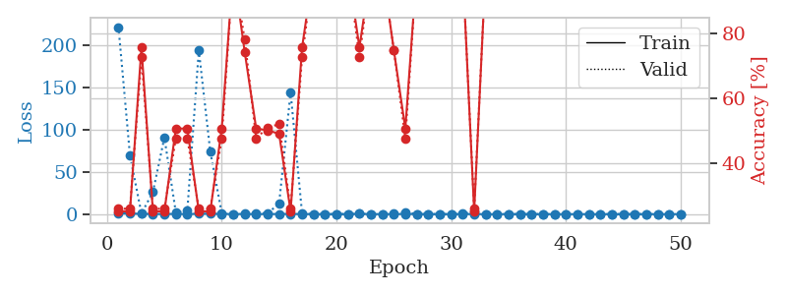
train_loss | valid_loss | train_accuracy | valid_accuracy | dur | train_misclass | valid_misclass
0.96546763441 | 48.52345392 | 0.24184782609 | 0.27173913043 | 1.1393105984 | 24.184782609 | 27.173913043
0.43511858194 | 20.08484177 | 0.25543478261 | 0.21739130435 | 1.1357619762 | 25.543478261 | 21.739130435
0.22468882556 | 1.9451910465 | 0.75815217391 | 0.72826086957 | 1.1338067055 | 75.815217391 | 72.826086957
0.23285538072 | 17.056946962 | 0.2527173913 | 0.26086956522 | 1.1348791122 | 25.27173913 | 26.086956522
0.14626775965 | 7.8429706615 | 0.49456521739 | 0.53260869565 | 1.1357307434 | 49.456521739 | 53.260869565
0.21496839101 | 200.45746712 | 0.2527173913 | 0.26086956522 | 1.1373946667 | 25.27173913 | 26.086956522
0.57514166018 | 1435.5833846 | 0.2527173913 | 0.26086956522 | 1.1386837959 | 25.27173913 | 26.086956522
0.19812027551 | 319.10675845 | 0.2527173913 | 0.26086956522 | 1.1376900673 | 25.27173913 | 26.086956522
0.14472623829 | 12.058354917 | 0.2527173913 | 0.26086956522 | 1.1384096146 | 25.27173913 | 26.086956522
0.24987276409 | 2.0944164784 | 0.5027173913 | 0.51086956522 | 1.1388540268 | 50.27173913 | 51.086956522
0.11117092945 | 8.5488909224 | 0.2527173913 | 0.26086956522 | 1.1393296719 | 25.27173913 | 26.086956522
0.14233296505 | 1.9440458909 | 0.50815217391 | 0.47826086957 | 1.1390342712 | 50.815217391 | 47.826086957
0.019517237558 | 0.0030251499772 | 1 | 1 | 1.1391742229 | 100 | 100
0.11869643541 | 3.0489732079 | 0.5027173913 | 0.51086956522 | 1.1394369602 | 50.27173913 | 51.086956522
0.27077903145 | 2.887116598 | 0.74456521739 | 0.78260869565 | 1.1386356354 | 74.456521739 | 78.260869565
0.22246251092 | 142.5234103 | 0.2527173913 | 0.26086956522 | 1.1398816109 | 25.27173913 | 26.086956522
0.15196273994 | 11.833064162 | 0.2527173913 | 0.26086956522 | 1.139626503 | 25.27173913 | 26.086956522
0.011495150689 | 0.0011599081943 | 1 | 1 | 1.1405394077 | 100 | 100
0.0062474612395 | 0.00072350355786 | 1 | 1 | 1.1394834518 | 100 | 100
0.054515761288 | 10.482208874 | 0.50815217391 | 0.47826086957 | 1.1397922039 | 50.815217391 | 47.826086957
0.10100328335 | 138.55072486 | 0.2527173913 | 0.26086956522 | 1.1389286518 | 25.27173913 | 26.086956522
0.081987099717 | 0.088691746411 | 1 | 1 | 1.1397643089 | 100 | 100
0.059340006262 | 6.2408473181 | 0.74456521739 | 0.78260869565 | 1.1394066811 | 74.456521739 | 78.260869565
0.048635724069 | 0.0019573035053 | 1 | 1 | 1.1393735409 | 100 | 100
0.26075166675 | 571.43578305 | 0.2527173913 | 0.26086956522 | 1.1395175457 | 25.27173913 | 26.086956522
0.1702098623 | 2.8587814829 | 0.74456521739 | 0.78260869565 | 1.1392731667 | 74.456521739 | 78.260869565
0.035045891454 | 0.052766464651 | 1 | 1 | 1.1398837566 | 100 | 100
0.040181600954 | 2.1124104313 | 0.75 | 0.75 | 1.1407222748 | 75 | 75
0.1344454856 | 17.142778894 | 0.49456521739 | 0.53260869565 | 1.1407244205 | 49.456521739 | 53.260869565
0.17504879772 | 0.3834478596 | 0.74456521739 | 0.78260869565 | 1.1407821178 | 74.456521739 | 78.260869565
0.15815818566 | 7.7540382302 | 0.50815217391 | 0.47826086957 | 1.1405203342 | 50.815217391 | 47.826086957
0.065544917033 | 0.0040222336741 | 1 | 1 | 1.1409077644 | 100 | 100
0.018916347094 | 0.00078753020574 | 1 | 1 | 1.1407427788 | 100 | 100
0.0047312000053 | 0.00039660474083 | 1 | 1 | 1.1409184933 | 100 | 100
0.0036209624782 | 0.00075561107065 | 1 | 1 | 1.1407370567 | 100 | 100
0.056449186035 | 0.00028369330191 | 1 | 1 | 1.1415708065 | 100 | 100
0.0021362357036 | 0.00043345044706 | 1 | 1 | 1.1413652897 | 100 | 100
0.0091220155642 | 0.0004685185546 | 1 | 1 | 1.1419494152 | 100 | 100
0.0024985137266 | 0.0005080723887 | 1 | 1 | 1.1410615444 | 100 | 100
0.0055571699669 | 0.00049526718668 | 1 | 1 | 1.1418397427 | 100 | 100
0.086326455257 | 10.566188481 | 0.50815217391 | 0.47826086957 | 1.1414501667 | 50.815217391 | 47.826086957
0.070972074768 | 0.0011136616509 | 1 | 1 | 1.1402950287 | 100 | 100
0.0035805256345 | 0.00045860143576 | 1 | 1 | 1.1405053139 | 100 | 100
0.006519883165 | 0.00022514074922 | 1 | 1 | 1.1407048702 | 100 | 100
0.0078819614035 | 0.00015975995705 | 1 | 1 | 1.1416449547 | 100 | 100
0.024943263417 | 0.00025283662051 | 1 | 1 | 1.1416914463 | 100 | 100
0.0069877259995 | 0.0002466601784 | 1 | 1 | 1.141150713 | 100 | 100
0.0083894417248 | 0.00022174098843 | 1 | 1 | 1.1423461437 | 100 | 100
0.035050389286 | 0.00018633215729 | 1 | 1 | 1.1427526474 | 100 | 100
0.019315101111 | 0.00036033337718 | 1 | 1 | 1.1430666447 | 100 | 100

Best Val accuracy is 1.0 and Best test accuracy is 1.0
train_loss | valid_loss | train_accuracy | valid_accuracy | dur | train_misclass | valid_misclass
0.97493003892 | 221.32015925 | 0.2527173913 | 0.26086956522 | 2.403676033 | 25.27173913 | 26.086956522
0.71128342333 | 69.32458098 | 0.2527173913 | 0.26086956522 | 2.4246988297 | 25.27173913 | 26.086956522
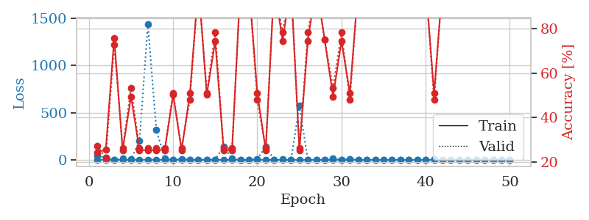
0.3766040951 | 0.74519736093 | 0.75815217391 | 0.72826086957 | 2.3929617405 | 75.815217391 | 72.826086957
0.22855318986 | 26.088089984 | 0.2527173913 | 0.26086956522 | 2.4105772972 | 25.27173913 | 26.086956522
0.1807930838 | 90.604534647 | 0.2527173913 | 0.26086956522 | 2.4012715816 | 25.27173913 | 26.086956522
0.25865149348 | 1.9067062036 | 0.50815217391 | 0.47826086957 | 2.4089071751 | 50.815217391 | 47.826086957
0.13333638733 | 3.8532501615 | 0.50815217391 | 0.47826086957 | 2.4143087864 | 50.815217391 | 47.826086957
0.40151340753 | 193.91235352 | 0.2527173913 | 0.26086956522 | 2.3948175907 | 25.27173913 | 26.086956522
0.55885912462 | 74.028934976 | 0.2527173913 | 0.26086956522 | 2.4132351875 | 25.27173913 | 26.086956522
0.16121123395 | 1.2360485999 | 0.50815217391 | 0.47826086957 | 2.3964416981 | 50.815217391 | 47.826086957
0.18375152758 | 0.14783633403 | 1 | 1 | 2.3990764618 | 100 | 100
0.1306437799 | 0.7593423465 | 0.74456521739 | 0.78260869565 | 2.4168114662 | 74.456521739 | 78.260869565
0.083707008491 | 1.2937419544 | 0.50815217391 | 0.47826086957 | 2.4085576534 | 50.815217391 | 47.826086957
0.097656972909 | 0.96497858348 | 0.5027173913 | 0.51086956522 | 2.4062781334 | 50.27173913 | 51.086956522
0.17927681202 | 12.52339869 | 0.49184782609 | 0.52173913043 | 2.4097352028 | 49.184782609 | 52.173913043
0.23941469956 | 144.25355264 | 0.2527173913 | 0.26086956522 | 2.4114341736 | 25.27173913 | 26.086956522
0.11956789053 | 0.72729142075 | 0.75815217391 | 0.72826086957 | 2.4157485962 | 75.815217391 | 72.826086957
0.032316076832 | 0.0036235029364 | 1 | 1 | 2.4107635021 | 100 | 100
0.049202655138 | 0.0036261598782 | 1 | 1 | 2.3972039223 | 100 | 100
0.12975783763 | 0.0042650098912 | 1 | 1 | 2.4110074043 | 100 | 100
0.08128279485 | 0.033884474036 | 1 | 1 | 2.4080533981 | 100 | 100
0.36375123532 | 0.30583533774 | 0.75815217391 | 0.72826086957 | 2.4137778282 | 75.815217391 | 72.826086957
0.079015351974 | 0.0064349821364 | 1 | 1 | 2.3993916512 | 100 | 100
0.052849686948 | 0.0072112394416 | 1 | 1 | 2.4118571281 | 100 | 100
0.11053762219 | 0.6021508419 | 0.75 | 0.75 | 2.4038083553 | 75 | 75
0.12697370553 | 2.2709779791 | 0.50815217391 | 0.47826086957 | 2.4038825035 | 50.815217391 | 47.826086957
0.17711034717 | 0.042330016908 | 1 | 1 | 2.4008638859 | 100 | 100
0.032819288469 | 0.0037494502638 | 1 | 1 | 2.391831398 | 100 | 100
0.081541078945 | 0.011303586035 | 1 | 1 | 2.408011198 | 100 | 100
0.045771512638 | 0.0037175656155 | 1 | 1 | 2.408094883 | 100 | 100
0.052323268322 | 0.27990670178 | 1 | 1 | 2.418487072 | 100 | 100
0.068128546548 | 2.8199911221 | 0.2527173913 | 0.26086956522 | 2.3923265934 | 25.27173913 | 26.086956522
0.018101643113 | 0.039055634614 | 1 | 1 | 2.3933131695 | 100 | 100
0.022906988151 | 0.003784380013 | 1 | 1 | 2.398358345 | 100 | 100
0.058922851802 | 0.0014376316432 | 1 | 1 | 2.4008572102 | 100 | 100
0.041592513803 | 0.016105224581 | 1 | 1 | 2.3925135136 | 100 | 100
0.041173567049 | 0.0045247445612 | 1 | 1 | 2.4012463093 | 100 | 100
0.018499097352 | 0.0019334928011 | 1 | 1 | 2.4153780937 | 100 | 100
0.022162306699 | 0.0020823293042 | 1 | 1 | 2.4140217304 | 100 | 100
0.018887508787 | 0.0013957432542 | 1 | 1 | 2.407119751 | 100 | 100
0.0036400648203 | 0.00102361115 | 1 | 1 | 2.4099731445 | 100 | 100
0.0074666356086 | 0.00089743029853 | 1 | 1 | 2.4093298912 | 100 | 100
0.026666320645 | 0.0023964494163 | 1 | 1 | 2.4074754715 | 100 | 100
0.010784312303 | 0.001493345445 | 1 | 1 | 2.4004461765 | 100 | 100
0.0086862168594 | 0.0010333370529 | 1 | 1 | 2.4086594582 | 100 | 100
0.014193269131 | 0.00094054437131 | 1 | 1 | 2.4149816036 | 100 | 100
0.011893252683 | 0.00097901003091 | 1 | 1 | 2.3986129761 | 100 | 100
0.021344032878 | 0.00097413583274 | 1 | 1 | 2.4117515087 | 100 | 100
0.062194967045 | 0.0011274549027 | 1 | 1 | 2.4114766121 | 100 | 100
0.0086404784613 | 0.00090001540451 | 1 | 1 | 2.4117860794 | 100 | 100

Best Val accuracy is 1.0 and Best test accuracy is 1.0

Sheet4
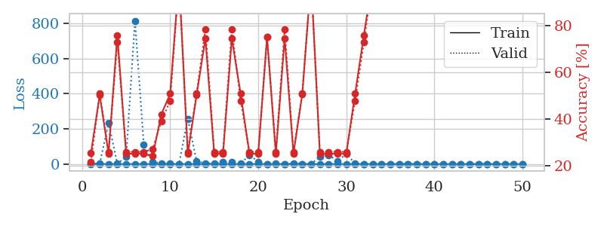
train_loss | valid_loss | train_accuracy | valid_accuracy | dur | train_misclass | valid_misclass
1.0276179469 | 4.9615852936 | 0.49184782609 | 0.52173913043 | 1.1416122913 | 49.184782609 | 52.173913043
0.51474108644 | 1.0122612067 | 0.50543478261 | 0.46739130435 | 1.1379754543 | 50.543478261 | 46.739130435
0.29642134678 | 1.8852588094 | 0.25543478261 | 0.21739130435 | 1.1390120983 | 25.543478261 | 21.739130435
0.27141270495 | 2.8312107998 | 0.50543478261 | 0.46739130435 | 1.1392290592 | 50.543478261 | 46.739130435
0.24590865531 | 223.20293592 | 0.2527173913 | 0.26086956522 | 1.1394662857 | 25.27173913 | 26.086956522
0.3653819148 | 9.9025302763 | 0.2527173913 | 0.26086956522 | 1.1391427517 | 25.27173913 | 26.086956522
0.31355686858 | 39.155564515 | 0.2527173913 | 0.26086956522 | 1.1422429085 | 25.27173913 | 26.086956522
0.3967833208 | 131.29664645 | 0.2527173913 | 0.26086956522 | 1.1396076679 | 25.27173913 | 26.086956522
0.29068229914 | 8.4396698164 | 0.74456521739 | 0.78260869565 | 1.139354229 | 74.456521739 | 78.260869565
0.06385608471 | 0.16999250132 | 1 | 1 | 1.1456301212 | 100 | 100
0.05772637422 | 0.0039508041177 | 1 | 1 | 1.1450772285 | 100 | 100
0.1850918281 | 0.0060280218882 | 1 | 1 | 1.1441347599 | 100 | 100
0.03615285767 | 14.070898263 | 0.49184782609 | 0.52173913043 | 1.1438014507 | 49.184782609 | 52.173913043
0.040089221069 | 21.807114311 | 0.25 | 0.25 | 1.1443138123 | 25 | 25
0.079156594159 | 3.1288264938 | 0.74456521739 | 0.78260869565 | 1.1438548565 | 74.456521739 | 78.260869565
0.061715347399 | 0.022166810687 | 1 | 1 | 1.1444728374 | 100 | 100
0.21526176942 | 16.385415989 | 0.25 | 0.25 | 1.1441586018 | 25 | 25
0.043655708078 | 22.36552255 | 0.25 | 0.25 | 1.1437277794 | 25 | 25
0.021001623361 | 15.48057693 | 0.25 | 0.25 | 1.1440577507 | 25 | 25
0.018844232102 | 12.491389565 | 0.25 | 0.25 | 1.1434929371 | 25 | 25
0.20818738753 | 12.893415202 | 0.74456521739 | 0.78260869565 | 1.1430010796 | 74.456521739 | 78.260869565
0.10510530549 | 123.54360597 | 0.2527173913 | 0.26086956522 | 1.1445040703 | 25.27173913 | 26.086956522
0.04314603039 | 12.5459659 | 0.25 | 0.25 | 1.1443827152 | 25 | 25
0.038927788046 | 20.980543137 | 0.2527173913 | 0.26086956522 | 1.1441309452 | 25.27173913 | 26.086956522
0.014861196884 | 7.6563212146 | 0.5027173913 | 0.51086956522 | 1.1437692642 | 50.27173913 | 51.086956522
0.036208375409 | 24.741688521 | 0.25 | 0.25 | 1.1429204941 | 25 | 25
0.081373185463 | 7.255563653 | 0.25 | 0.25 | 1.1429657936 | 25 | 25
0.042593037945 | 0.8005054619 | 0.50815217391 | 0.47826086957 | 1.1438658237 | 50.815217391 | 47.826086957
0.011997897115 | 0.00076286607351 | 1 | 1 | 1.1438183784 | 100 | 100
0.13208516669 | 30.779543669 | 0.25 | 0.25 | 1.1437807083 | 25 | 25
0.074320173005 | 17.868571364 | 0.25 | 0.25 | 1.1433997154 | 25 | 25
0.056468082182 | 33.606014998 | 0.25 | 0.25 | 1.1437525749 | 25 | 25
0.014141488894 | 34.71146625 | 0.2527173913 | 0.26086956522 | 1.1437857151 | 25.27173913 | 26.086956522
0.003235491762 | 2.8296792714 | 0.5027173913 | 0.51086956522 | 1.144775629 | 50.27173913 | 51.086956522
0.004530694199 | 0.0071835868749 | 1 | 1 | 1.1455574036 | 100 | 100
0.0024932024383 | 0.0005216676471 | 1 | 1 | 1.1447503567 | 100 | 100
0.011064192513 | 11.914258169 | 0.25 | 0.25 | 1.1453967094 | 25 | 25
0.0067150940304 | 0.0041675618445 | 1 | 1 | 1.1461246014 | 100 | 100
0.0019862270375 | 0.0037662202351 | 1 | 1 | 1.1457784176 | 100 | 100
0.0035038965276 | 0.00041800630962 | 1 | 1 | 1.1448702812 | 100 | 100
0.0011293842323 | 0.0004333318654 | 1 | 1 | 1.1444132328 | 100 | 100
0.0031002138339 | 0.00044360651721 | 1 | 1 | 1.1448905468 | 100 | 100
0.034171832447 | 0.00054457090269 | 1 | 1 | 1.1442689896 | 100 | 100
0.003083011491 | 0.00085581552855 | 1 | 1 | 1.1458106041 | 100 | 100
0.0090137075597 | 0.028727610798 | 1 | 1 | 1.1442942619 | 100 | 100
0.041738003377 | 0.23667461911 | 1 | 1 | 1.1456179619 | 100 | 100
0.014503493768 | 0.14057187153 | 1 | 1 | 1.1456511021 | 100 | 100
0.0012368541287 | 0.00098666894938 | 1 | 1 | 1.1449241638 | 100 | 100
0.028360055354 | 0.006958918565 | 1 | 1 | 1.145201683 | 100 | 100
0.0070515530432 | 0.0035924461832 | 1 | 1 | 1.1456437111 | 100 | 100

Best Val accuracy is 1.0 and Best test accuracy is 1.0
train_loss | valid_loss | train_accuracy | valid_accuracy | dur | train_misclass | valid_misclass
0.8605467716 | 1.7418349929 | 0.25543478261 | 0.21739130435 | 2.4260778427 | 25.543478261 | 21.739130435
0.46311011068 | 2.5745636484 | 0.5027173913 | 0.51086956522 | 2.41619277 | 50.27173913 | 51.086956522
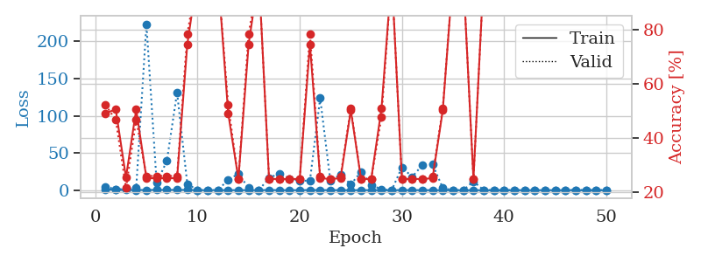
0.28728223527 | 233.67401654 | 0.2527173913 | 0.26086956522 | 2.4226694107 | 25.27173913 | 26.086956522
0.15558607593 | 1.446615512 | 0.75815217391 | 0.72826086957 | 2.4093182087 | 75.815217391 | 72.826086957
0.12891557728 | 42.012879247 | 0.2527173913 | 0.26086956522 | 2.4087860584 | 25.27173913 | 26.086956522
0.1091723334 | 814.68755307 | 0.2527173913 | 0.26086956522 | 2.4325931072 | 25.27173913 | 26.086956522
0.10715267202 | 110.07377724 | 0.2527173913 | 0.26086956522 | 2.4267299175 | 25.27173913 | 26.086956522
0.18547007807 | 13.130483005 | 0.24184782609 | 0.27173913043 | 2.4282026291 | 24.184782609 | 27.173913043
0.20906045089 | 4.6330617718 | 0.42119565217 | 0.39130434783 | 2.4194428921 | 42.119565217 | 39.130434783
0.06713496017 | 1.4785139872 | 0.50815217391 | 0.47826086957 | 2.4160203934 | 50.815217391 | 47.826086957
0.069719429685 | 0.18347980374 | 1 | 1 | 2.4190070629 | 100 | 100
0.11532270624 | 257.87544383 | 0.2527173913 | 0.26086956522 | 2.4011127949 | 25.27173913 | 26.086956522
0.22738920267 | 15.772457081 | 0.5027173913 | 0.51086956522 | 2.4180085659 | 50.27173913 | 51.086956522
0.16404004888 | 4.2169887709 | 0.74456521739 | 0.78260869565 | 2.4039371014 | 74.456521739 | 78.260869565
0.04686136235 | 4.4498259399 | 0.2527173913 | 0.26086956522 | 2.3950204849 | 25.27173913 | 26.086956522
0.09698329683 | 9.6917628413 | 0.2527173913 | 0.26086956522 | 2.4105527401 | 25.27173913 | 26.086956522
0.20211547496 | 11.161224241 | 0.74456521739 | 0.78260869565 | 2.4135639668 | 74.456521739 | 78.260869565
0.11297891668 | 1.7157253649 | 0.50815217391 | 0.47826086957 | 2.4105267525 | 50.815217391 | 47.826086957
0.27454608206 | 51.974010468 | 0.2527173913 | 0.26086956522 | 2.4135499001 | 25.27173913 | 26.086956522
0.09372601198 | 13.314065021 | 0.2527173913 | 0.26086956522 | 2.4171864986 | 25.27173913 | 26.086956522
0.043956163165 | 0.49263955718 | 0.75 | 0.75 | 2.4010975361 | 75 | 75
0.11662100167 | 3.0391116661 | 0.2527173913 | 0.26086956522 | 2.4349153042 | 25.27173913 | 26.086956522
0.047458776976 | 0.91325751854 | 0.74456521739 | 0.78260869565 | 2.4095516205 | 74.456521739 | 78.260869565
0.015917524099 | 4.7149301197 | 0.2527173913 | 0.26086956522 | 2.3978531361 | 25.27173913 | 26.086956522
0.0093856209904 | 0.78856708174 | 0.50543478261 | 0.51086956522 | 2.4297463894 | 50.543478261 | 51.086956522
0.010945306084 | 0.00068362436824 | 1 | 1 | 2.4179735184 | 100 | 100
0.024437211258 | 40.929583674 | 0.2527173913 | 0.26086956522 | 2.4094862938 | 25.27173913 | 26.086956522
0.047460208228 | 52.000665913 | 0.2527173913 | 0.26086956522 | 2.4089491367 | 25.27173913 | 26.086956522
0.10905648786 | 17.316223642 | 0.2527173913 | 0.26086956522 | 2.4093985558 | 25.27173913 | 26.086956522
0.17245323673 | 57.642357868 | 0.2527173913 | 0.26086956522 | 2.4187734127 | 25.27173913 | 26.086956522
0.37909510101 | 3.871634473 | 0.50815217391 | 0.47826086957 | 2.4132559299 | 50.815217391 | 47.826086957
0.12831859449 | 0.20733655989 | 0.75815217391 | 0.72826086957 | 2.4188344479 | 75.815217391 | 72.826086957
0.23718524265 | 0.10747774528 | 1 | 1 | 2.40396595 | 100 | 100
0.076414043489 | 0.0039123470247 | 1 | 1 | 2.4252040386 | 100 | 100
0.072441787661 | 0.0019279105143 | 1 | 1 | 2.3970282078 | 100 | 100
0.013980229056 | 0.0019865834012 | 1 | 1 | 2.4053647518 | 100 | 100
0.27072451064 | 0.037691489753 | 1 | 1 | 2.4010896683 | 100 | 100
0.090764661598 | 0.0047423899396 | 1 | 1 | 2.4208676815 | 100 | 100
0.065700950207 | 0.0020371300533 | 1 | 1 | 2.3991672993 | 100 | 100
0.088540782241 | 0.001268733146 | 1 | 1 | 2.4142460823 | 100 | 100
0.0054273278878 | 0.0012352534458 | 1 | 1 | 2.4237687588 | 100 | 100
0.074079677037 | 0.00097763145585 | 1 | 1 | 2.411262989 | 100 | 100
0.022596824757 | 0.0011323335145 | 1 | 1 | 2.3964476585 | 100 | 100
0.090346872812 | 0.0013580693732 | 1 | 1 | 2.415545702 | 100 | 100
0.015021683463 | 0.0012420499495 | 1 | 1 | 2.4241600037 | 100 | 100
0.015127625248 | 0.0012456533833 | 1 | 1 | 2.412147522 | 100 | 100
0.055562690872 | 0.0010698715417 | 1 | 1 | 2.4236226082 | 100 | 100
0.027185721341 | 0.0012468528154 | 1 | 1 | 2.4117305279 | 100 | 100
0.014492342023 | 0.0011696832497 | 1 | 1 | 2.3978455067 | 100 | 100
0.0069414641121 | 0.0011016932144 | 1 | 1 | 2.4257793427 | 100 | 100

Best Val accuracy is 1.0 and Best test accuracy is 1.0

Sheet5
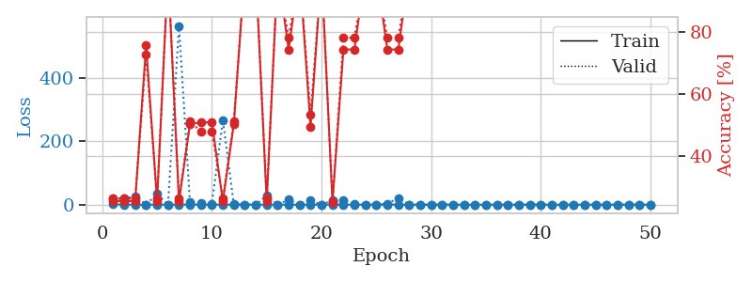
train_loss | valid_loss | train_accuracy | valid_accuracy | dur | train_misclass | valid_misclass
0.88383975236 | 2.7529951697 | 0.2527173913 | 0.26086956522 | 1.1416943073 | 25.27173913 | 26.086956522
0.451930164 | 15.114442411 | 0.2527173913 | 0.26086956522 | 1.1405780315 | 25.27173913 | 26.086956522
0.42893512029 | 281.82062696 | 0.2527173913 | 0.26086956522 | 1.1401700974 | 25.27173913 | 26.086956522
0.20887064934 | 458.43673971 | 0.2527173913 | 0.26086956522 | 1.1406817436 | 25.27173913 | 26.086956522
0.47149965653 | 403.65456092 | 0.2527173913 | 0.26086956522 | 1.1409194469 | 25.27173913 | 26.086956522
0.29788441179 | 9.6923780441 | 0.2527173913 | 0.26086956522 | 1.140853405 | 25.27173913 | 26.086956522
0.28883254083 | 462.00795713 | 0.2527173913 | 0.26086956522 | 1.1407833099 | 25.27173913 | 26.086956522
0.24315846687 | 2.8679499004 | 0.2527173913 | 0.26086956522 | 1.1404817104 | 25.27173913 | 26.086956522
0.26361362523 | 109.90739341 | 0.2527173913 | 0.26086956522 | 1.1409468651 | 25.27173913 | 26.086956522
0.29544862392 | 3138.1287683 | 0.2527173913 | 0.26086956522 | 1.1414849758 | 25.27173913 | 26.086956522
0.13879833877 | 22.994755289 | 0.2527173913 | 0.26086956522 | 1.141569376 | 25.27173913 | 26.086956522
0.21337193554 | 0.36926733087 | 0.75815217391 | 0.72826086957 | 1.1410319805 | 75.815217391 | 72.826086957
0.048054308732 | 0.074310660038 | 1 | 1 | 1.1463768482 | 100 | 100
0.018629012731 | 18.87156105 | 0.2527173913 | 0.26086956522 | 1.146872282 | 25.27173913 | 26.086956522
0.020185948856 | 43.197357509 | 0.2527173913 | 0.26086956522 | 1.1455767155 | 25.27173913 | 26.086956522
0.090183854579 | 1763.2037672 | 0.2527173913 | 0.26086956522 | 1.1459739208 | 25.27173913 | 26.086956522
0.52488144187 | 766.60054348 | 0.2527173913 | 0.26086956522 | 1.1451818943 | 25.27173913 | 26.086956522
0.29679374526 | 4.3618228332 | 0.2527173913 | 0.26086956522 | 1.1454329491 | 25.27173913 | 26.086956522
0.15869895903 | 179.21935836 | 0.2527173913 | 0.26086956522 | 1.1454460621 | 25.27173913 | 26.086956522
0.072892741786 | 0.021476386722 | 1 | 1 | 1.1451518536 | 100 | 100
0.093620430364 | 142.51185144 | 0.2527173913 | 0.26086956522 | 1.1455492973 | 25.27173913 | 26.086956522
0.19260080298 | 0.012877852453 | 1 | 1 | 1.1455905437 | 100 | 100
0.09761905535 | 0.010272905028 | 1 | 1 | 1.1456844807 | 100 | 100
0.010035093109 | 0.0024710739659 | 1 | 1 | 1.1461794376 | 100 | 100
0.013983256077 | 0.0022153090483 | 1 | 1 | 1.1458661556 | 100 | 100
0.16950738036 | 716.10117241 | 0.2527173913 | 0.26086956522 | 1.145973444 | 25.27173913 | 26.086956522
0.11831709793 | 0.004538017892 | 1 | 1 | 1.1462566853 | 100 | 100
0.29864866224 | 0.026656230345 | 1 | 1 | 1.1454958916 | 100 | 100
0.050917673249 | 0.012485651097 | 1 | 1 | 1.1463470459 | 100 | 100
0.20961420478 | 4.0727145672 | 0.74456521739 | 0.78260869565 | 1.1463801861 | 74.456521739 | 78.260869565
0.012086439321 | 0.0024374355461 | 1 | 1 | 1.1470005512 | 100 | 100
0.0061063737629 | 0.0024706765847 | 1 | 1 | 1.145968914 | 100 | 100
0.0071376161245 | 0.0020875987981 | 1 | 1 | 1.1457192898 | 100 | 100
0.013718447967 | 0.0022211915145 | 1 | 1 | 1.1464505196 | 100 | 100
0.004597482808 | 0.0021251706083 | 1 | 1 | 1.146064043 | 100 | 100
0.004160481333 | 0.0018934265953 | 1 | 1 | 1.1459743977 | 100 | 100
0.0033112557291 | 0.0016584657386 | 1 | 1 | 1.1463747025 | 100 | 100
0.01004039197 | 0.0016448275065 | 1 | 1 | 1.1460077763 | 100 | 100
0.11722428224 | 0.0013596699624 | 1 | 1 | 1.1456086636 | 100 | 100
0.05091922383 | 0.0013722599757 | 1 | 1 | 1.1462099552 | 100 | 100
0.012358897669 | 0.0016857121778 | 1 | 1 | 1.1464986801 | 100 | 100
0.0083020180818 | 0.0014906896977 | 1 | 1 | 1.1469671726 | 100 | 100
0.0061543287871 | 0.0014965364801 | 1 | 1 | 1.1463873386 | 100 | 100
0.0099324204848 | 0.0015355318066 | 1 | 1 | 1.1462759972 | 100 | 100
0.0052520382805 | 0.001513777407 | 1 | 1 | 1.1459336281 | 100 | 100
0.0081554439638 | 0.0014902031727 | 1 | 1 | 1.1460392475 | 100 | 100
0.0075031043202 | 0.0014895934399 | 1 | 1 | 1.1461141109 | 100 | 100
0.0041306210864 | 0.0014629290267 | 1 | 1 | 1.1464879513 | 100 | 100
0.0026593911866 | 0.001512325632 | 1 | 1 | 1.1461052895 | 100 | 100
0.13179415791 | 0.0014812025373 | 1 | 1 | 1.145939827 | 100 | 100

Best Val accuracy is 1.0 and Best test accuracy is 1.0
train_loss | valid_loss | train_accuracy | valid_accuracy | dur | train_misclass | valid_misclass
1.0015394584 | 21.093792708 | 0.2527173913 | 0.26086956522 | 2.4248259068 | 25.27173913 | 26.086956522
0.51109842891 | 18.842789857 | 0.2527173913 | 0.26086956522 | 2.4053735733 | 25.27173913 | 26.086956522
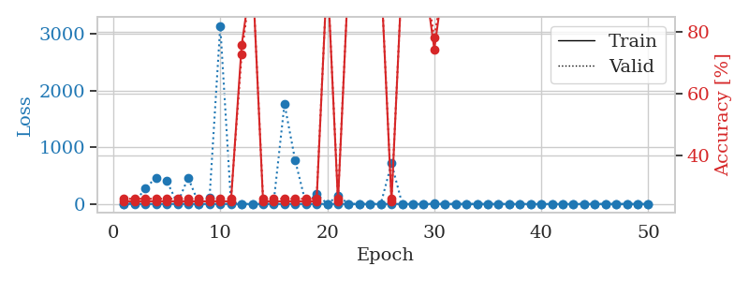
0.42228477416 | 26.332685305 | 0.2527173913 | 0.26086956522 | 2.4043812752 | 25.27173913 | 26.086956522
0.17327202597 | 0.30292061101 | 0.75815217391 | 0.72826086957 | 2.4155805111 | 75.815217391 | 72.826086957
0.40894851121 | 33.624264178 | 0.2527173913 | 0.26086956522 | 2.4115567207 | 25.27173913 | 26.086956522
0.30312084034 | 0.14869343165 | 1 | 1 | 2.4059476852 | 100 | 100
0.27450968196 | 564.34572435 | 0.2527173913 | 0.26086956522 | 2.4117269516 | 25.27173913 | 26.086956522
0.33877720878 | 6.8674776865 | 0.5027173913 | 0.51086956522 | 2.4181540012 | 50.27173913 | 51.086956522
0.28700552553 | 4.8558648877 | 0.50815217391 | 0.47826086957 | 2.4185831547 | 50.815217391 | 47.826086957
0.24357578527 | 3.6437084675 | 0.50815217391 | 0.47826086957 | 2.4016218185 | 50.815217391 | 47.826086957
0.23281904263 | 266.69124968 | 0.2527173913 | 0.26086956522 | 2.4243242741 | 25.27173913 | 26.086956522
0.20132631485 | 2.195257275 | 0.5027173913 | 0.51086956522 | 2.4004840851 | 50.27173913 | 51.086956522
0.31616194704 | 0.071860708944 | 1 | 1 | 2.4078571796 | 100 | 100
0.10986353008 | 0.019993867158 | 1 | 1 | 2.4061722755 | 100 | 100
0.046723843481 | 29.722752695 | 0.2527173913 | 0.26086956522 | 2.4227335453 | 25.27173913 | 26.086956522
0.034222119265 | 0.0090348089883 | 1 | 1 | 2.434335947 | 100 | 100
0.10349543201 | 15.744153562 | 0.74456521739 | 0.78260869565 | 2.4048998356 | 74.456521739 | 78.260869565
0.10165163277 | 0.035670294467 | 1 | 1 | 2.4252705574 | 100 | 100
0.11463715768 | 12.762138533 | 0.49456521739 | 0.53260869565 | 2.4091613293 | 49.456521739 | 53.260869565
0.0094798118858 | 0.0037416656724 | 1 | 1 | 2.4116914272 | 100 | 100
0.14250652625 | 13.271540891 | 0.25 | 0.25 | 2.4039676189 | 25 | 25
0.07892743738 | 14.533261341 | 0.74456521739 | 0.78260869565 | 2.4072999954 | 74.456521739 | 78.260869565
0.062190173323 | 1.2220896845 | 0.74456521739 | 0.78260869565 | 2.4154160023 | 74.456521739 | 78.260869565
0.0032572201656 | 0.0010557088181 | 1 | 1 | 2.4212939739 | 100 | 100
0.02583994559 | 0.0047461992008 | 1 | 1 | 2.4087376595 | 100 | 100
0.56373394407 | 3.0020650677 | 0.74456521739 | 0.78260869565 | 2.4137411118 | 74.456521739 | 78.260869565
0.24810881953 | 20.75048231 | 0.74456521739 | 0.78260869565 | 2.4287354946 | 74.456521739 | 78.260869565
0.067991516431 | 0.023542747225 | 1 | 1 | 2.4147250652 | 100 | 100
0.0442469792 | 0.0072322554441 | 1 | 1 | 2.4157481194 | 100 | 100
0.031044550969 | 0.0043940203588 | 1 | 1 | 2.4079711437 | 100 | 100
0.19980000953 | 0.0062565439097 | 1 | 1 | 2.4269618988 | 100 | 100
0.018769664386 | 0.0034348968335 | 1 | 1 | 2.4263336658 | 100 | 100
0.0061209027898 | 0.0025398270733 | 1 | 1 | 2.417140007 | 100 | 100
0.027865303534 | 0.002718244325 | 1 | 1 | 2.4121704102 | 100 | 100
0.011767468931 | 0.0020292066139 | 1 | 1 | 2.4065840244 | 100 | 100
0.015662131563 | 0.0022208566433 | 1 | 1 | 2.4052274227 | 100 | 100
0.14597944714 | 0.0014387505463 | 1 | 1 | 2.4098887444 | 100 | 100
0.030770491791 | 0.0017305009027 | 1 | 1 | 2.4275791645 | 100 | 100
0.11361738804 | 0.0014461999627 | 1 | 1 | 2.4071350098 | 100 | 100
0.025017100731 | 0.0015396652338 | 1 | 1 | 2.4187760353 | 100 | 100
0.035596926246 | 0.001954679185 | 1 | 1 | 2.4146726131 | 100 | 100
0.021193462778 | 0.001484561089 | 1 | 1 | 2.4188785553 | 100 | 100
0.15177574458 | 0.0013248011338 | 1 | 1 | 2.4109482765 | 100 | 100
0.10690896036 | 0.0012521957675 | 1 | 1 | 2.407086134 | 100 | 100
0.010953314526 | 0.0013149743444 | 1 | 1 | 2.4189910889 | 100 | 100
0.031884553037 | 0.0018464619162 | 1 | 1 | 2.42400527 | 100 | 100
0.0099338027345 | 0.0013098829456 | 1 | 1 | 2.415207386 | 100 | 100
0.056901320435 | 0.0014833560132 | 1 | 1 | 2.4137198925 | 100 | 100
0.022509584497 | 0.0012616655668 | 1 | 1 | 2.4188702106 | 100 | 100
0.013726776213 | 0.0013387792936 | 1 | 1 | 2.4022064209 | 100 | 100

Best Val accuracy is 1.0 and Best test accuracy is 1.0

Sheet6
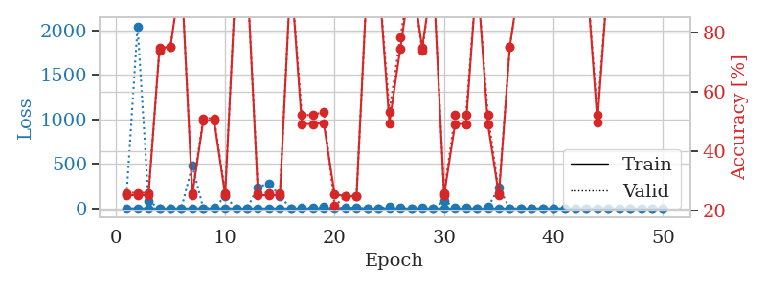
train_loss | valid_loss | train_accuracy | valid_accuracy | dur | train_misclass | valid_misclass
0.88823219486 | 7.159617963 | 0.2527173913 | 0.26086956522 | 1.1492960453 | 25.27173913 | 26.086956522
0.39758601914 | 15.625970094 | 0.24184782609 | 0.27173913043 | 1.1455886364 | 24.184782609 | 27.173913043
0.39186768347 | 38.317253445 | 0.2527173913 | 0.26086956522 | 1.1466319561 | 25.27173913 | 26.086956522
0.16715847296 | 3.8971629246 | 0.5027173913 | 0.51086956522 | 1.1453342438 | 50.27173913 | 51.086956522
0.25827778681 | 8.9162941808 | 0.5027173913 | 0.51086956522 | 1.1465072632 | 50.27173913 | 51.086956522
0.06155955753 | 1.7542112703 | 0.50815217391 | 0.47826086957 | 1.1459672451 | 50.815217391 | 47.826086957
0.26724817891 | 1.9657462732 | 0.49456521739 | 0.53260869565 | 1.1451125145 | 49.456521739 | 53.260869565
0.43821759789 | 7.6099673354 | 0.41032608696 | 0.45652173913 | 1.1476566792 | 41.032608696 | 45.652173913
0.064191390558 | 1.1273077856 | 0.75815217391 | 0.72826086957 | 1.1441812515 | 75.815217391 | 72.826086957
0.090590674582 | 23.904135248 | 0.2527173913 | 0.26086956522 | 1.1475682259 | 25.27173913 | 26.086956522
0.20799763314 | 2.829352441 | 0.5027173913 | 0.51086956522 | 1.1469771862 | 50.27173913 | 51.086956522
0.16936185382 | 69.316658352 | 0.2527173913 | 0.26086956522 | 1.1462395191 | 25.27173913 | 26.086956522
0.3244039805 | 487.82828555 | 0.2527173913 | 0.26086956522 | 1.1465435028 | 25.27173913 | 26.086956522
0.14265372767 | 206.33621548 | 0.2527173913 | 0.26086956522 | 1.1466202736 | 25.27173913 | 26.086956522
0.084239181647 | 416.21365356 | 0.2527173913 | 0.26086956522 | 1.1459727287 | 25.27173913 | 26.086956522
0.20444068988 | 14.222936381 | 0.28260869565 | 0.30434782609 | 1.1459403038 | 28.260869565 | 30.434782609
0.090767117344 | 2.6635176721 | 0.74456521739 | 0.78260869565 | 1.1464805603 | 74.456521739 | 78.260869565
0.11158832823 | 3.3795469222 | 0.74456521739 | 0.78260869565 | 1.1467993259 | 74.456521739 | 78.260869565
0.21835351597 | 8.2678546698 | 0.74456521739 | 0.78260869565 | 1.1460399628 | 74.456521739 | 78.260869565
0.037398426925 | 0.072171330938 | 1 | 1 | 1.145737648 | 100 | 100
0.052747176439 | 13.564992946 | 0.49184782609 | 0.52173913043 | 1.1479930878 | 49.184782609 | 52.173913043
0.41179099461 | 153.96827698 | 0.2527173913 | 0.26086956522 | 1.1463251114 | 25.27173913 | 26.086956522
0.12725995962 | 0.0094210835093 | 1 | 1 | 1.1453971863 | 100 | 100
0.077367790782 | 82.629504992 | 0.2527173913 | 0.26086956522 | 1.1475477219 | 25.27173913 | 26.086956522
0.13836557771 | 108.92925461 | 0.2527173913 | 0.26086956522 | 1.145665884 | 25.27173913 | 26.086956522
0.21551524782 | 24.066605195 | 0.2527173913 | 0.26086956522 | 1.1464891434 | 25.27173913 | 26.086956522
0.037680620654 | 0.10222824987 | 1 | 1 | 1.1462769508 | 100 | 100
0.053146297899 | 15.775725448 | 0.25 | 0.25 | 1.1461110115 | 25 | 25
0.06795925189 | 0.0060168154254 | 1 | 1 | 1.1463243961 | 100 | 100
0.10176529212 | 0.0020221140661 | 1 | 1 | 1.1478073597 | 100 | 100
0.0049078413058 | 0.0014118856103 | 1 | 1 | 1.1463367939 | 100 | 100
0.048102940741 | 0.00072874154379 | 1 | 1 | 1.148193121 | 100 | 100
0.0087073603873 | 0.0034933127564 | 1 | 1 | 1.1512992382 | 100 | 100
0.049313594359 | 0.0042883733733 | 1 | 1 | 1.146992445 | 100 | 100
0.2579495872 | 0.0056143041457 | 1 | 1 | 1.1465611458 | 100 | 100
0.055936403244 | 0.0063877528047 | 1 | 1 | 1.1465203762 | 100 | 100
0.014476968325 | 0.0022930723676 | 1 | 1 | 1.1468307972 | 100 | 100
0.011233373864 | 0.0015517758337 | 1 | 1 | 1.1501789093 | 100 | 100
0.020207686076 | 0.001482384497 | 1 | 1 | 1.1473064423 | 100 | 100
0.0056824901637 | 0.0012084740447 | 1 | 1 | 1.1471691132 | 100 | 100
0.0040894887744 | 0.001356304851 | 1 | 1 | 1.1466703415 | 100 | 100
0.027571624302 | 0.0022503355133 | 1 | 1 | 1.1464960575 | 100 | 100
0.0060699674422 | 0.0020679083005 | 1 | 1 | 1.1471796036 | 100 | 100
0.090195387979 | 0.0014659448972 | 1 | 1 | 1.1497850418 | 100 | 100
0.16530521845 | 0.0011059856346 | 1 | 1 | 1.1482076645 | 100 | 100
0.010257713638 | 0.0011572743483 | 1 | 1 | 1.1469128132 | 100 | 100
0.0095603246718 | 0.001201281729 | 1 | 1 | 1.1468491554 | 100 | 100
0.010756725409 | 0.0011486969129 | 1 | 1 | 1.1466982365 | 100 | 100
0.23439553305 | 0.0010177809087 | 1 | 1 | 1.1480872631 | 100 | 100
0.0072936608567 | 0.0010310792891 | 1 | 1 | 1.1464986801 | 100 | 100

Best Val accuracy is 1.0 and Best test accuracy is 1.0
train_loss | valid_loss | train_accuracy | valid_accuracy | dur | train_misclass | valid_misclass
0.98209480617 | 157.23012311 | 0.2527173913 | 0.26086956522 | 2.4204950333 | 25.27173913 | 26.086956522
0.387520805 | 2043.3947011 | 0.2527173913 | 0.26086956522 | 2.4108626842 | 25.27173913 | 26.086956522
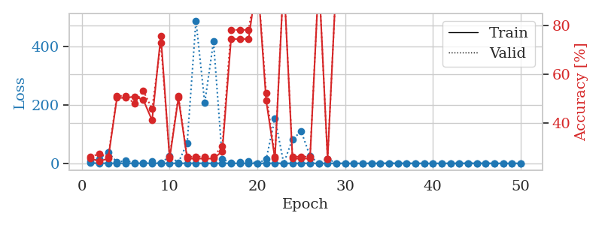
0.35478177019 | 83.12651825 | 0.2527173913 | 0.26086956522 | 2.4122273922 | 25.27173913 | 26.086956522
0.40170449731 | 0.62529813725 | 0.7472826087 | 0.73913043478 | 2.4037046432 | 74.72826087 | 73.913043478
0.094264814468 | 0.86349015651 | 0.75 | 0.75 | 2.4057767391 | 75 | 75
0.29568547496 | 0.090088743231 | 1 | 1 | 2.4250879288 | 100 | 100
0.18057353989 | 480.50740383 | 0.2527173913 | 0.26086956522 | 2.4143919945 | 25.27173913 | 26.086956522
0.39340339561 | 0.78038042265 | 0.5027173913 | 0.51086956522 | 2.4251663685 | 50.27173913 | 51.086956522
0.16227053697 | 3.5436922571 | 0.5027173913 | 0.51086956522 | 2.3932783604 | 50.27173913 | 51.086956522
0.61182721931 | 138.0702707 | 0.2527173913 | 0.26086956522 | 2.3914775848 | 25.27173913 | 26.086956522
0.19535460517 | 0.20340614539 | 1 | 1 | 2.4091012478 | 100 | 100
0.1128728774 | 0.13519607031 | 1 | 1 | 2.4076046944 | 100 | 100
0.13376752283 | 237.80030292 | 0.2527173913 | 0.26086956522 | 2.4001917839 | 25.27173913 | 26.086956522
0.16695931473 | 280.94471542 | 0.2527173913 | 0.26086956522 | 2.4132015705 | 25.27173913 | 26.086956522
0.30357954449 | 140.17394356 | 0.2527173913 | 0.26086956522 | 2.4441447258 | 25.27173913 | 26.086956522
0.25102053939 | 0.022870637072 | 1 | 1 | 2.4233431816 | 100 | 100
0.12468808889 | 5.810175253 | 0.49184782609 | 0.52173913043 | 2.4204199314 | 49.184782609 | 52.173913043
0.12499365992 | 7.7390757022 | 0.49184782609 | 0.52173913043 | 2.4231510162 | 49.184782609 | 52.173913043
0.076976037827 | 13.937118655 | 0.49456521739 | 0.53260869565 | 2.4090843201 | 49.456521739 | 53.260869565
0.01240335665 | 3.4512466348 | 0.25543478261 | 0.21739130435 | 2.4096302986 | 25.543478261 | 21.739130435
0.011685163481 | 8.946916518 | 0.25 | 0.25 | 2.4143071175 | 25 | 25
0.01259482982 | 6.1146717279 | 0.25 | 0.25 | 2.4230220318 | 25 | 25
0.0077345341636 | 0.0020368218412 | 1 | 1 | 2.4031019211 | 100 | 100
0.0038095586123 | 0.0027661868067 | 1 | 1 | 2.4286086559 | 100 | 100
0.27980304242 | 17.664626909 | 0.49456521739 | 0.53260869565 | 2.4289479256 | 49.456521739 | 53.260869565
0.028024433262 | 3.5626083768 | 0.74456521739 | 0.78260869565 | 2.4163208008 | 74.456521739 | 78.260869565
0.0059153105072 | 0.0029857579578 | 1 | 1 | 2.4107942581 | 100 | 100
0.062424998558 | 2.7974579127 | 0.7472826087 | 0.73913043478 | 2.4038937092 | 74.72826087 | 73.913043478
0.22164750702 | 0.0041488118308 | 1 | 1 | 2.3972625732 | 100 | 100
0.12783422542 | 85.128950036 | 0.2527173913 | 0.26086956522 | 2.4243907928 | 25.27173913 | 26.086956522
0.14766257098 | 11.052613839 | 0.49184782609 | 0.52173913043 | 2.4189841747 | 49.184782609 | 52.173913043
0.04342150632 | 9.006328562 | 0.49184782609 | 0.52173913043 | 2.4148271084 | 49.184782609 | 52.173913043
0.0046352585373 | 0.0014050454559 | 1 | 1 | 2.4082798958 | 100 | 100
0.22538054603 | 13.329165707 | 0.49184782609 | 0.52173913043 | 2.4065244198 | 49.184782609 | 52.173913043
0.053313459624 | 233.64710335 | 0.2527173913 | 0.26086956522 | 2.4146614075 | 25.27173913 | 26.086956522
0.028364041522 | 0.34882836109 | 0.75 | 0.75 | 2.4159245491 | 75 | 75
0.0097782127407 | 0.0028373102313 | 1 | 1 | 2.4354345798 | 100 | 100
0.018266059628 | 0.0033286592478 | 1 | 1 | 2.4229958057 | 100 | 100
0.0051568002521 | 0.0017436083163 | 1 | 1 | 2.398368597 | 100 | 100
0.027029630194 | 0.001143198025 | 1 | 1 | 2.4135866165 | 100 | 100
0.0088500828664 | 0.0050691069995 | 1 | 1 | 2.4077801704 | 100 | 100
0.010094182816 | 0.0017416390449 | 1 | 1 | 2.4050929546 | 100 | 100
0.11049438816 | 0.0010850507837 | 1 | 1 | 2.4063670635 | 100 | 100
0.15516418573 | 0.81416282706 | 0.4972826087 | 0.52173913043 | 2.4172174931 | 49.72826087 | 52.173913043
0.011893182036 | 0.0010094339048 | 1 | 1 | 2.4237008095 | 100 | 100
0.003916952058 | 0.0011106210548 | 1 | 1 | 2.4248888493 | 100 | 100
0.013228693468 | 0.0011805067213 | 1 | 1 | 2.4019200802 | 100 | 100
0.020920410403 | 0.0011723580082 | 1 | 1 | 2.4177327156 | 100 | 100
0.0047262498562 | 0.0011142462684 | 1 | 1 | 2.4212932587 | 100 | 100
0.15749302395 | 0.001070482054 | 1 | 1 | 2.4198729992 | 100 | 100

Best Val accuracy is 1.0 and Best test accuracy is 1.0

Sheet7
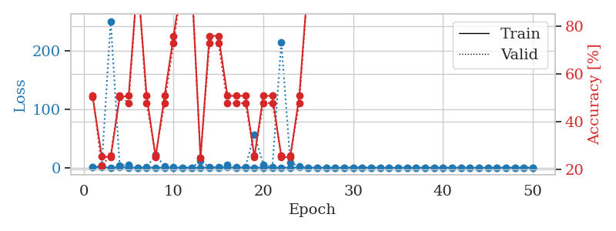
train_loss | valid_loss | train_accuracy | valid_accuracy | dur | train_misclass | valid_misclass
0.8815278683 | 35.885350601 | 0.2527173913 | 0.26086956522 | 1.1508872509 | 25.27173913 | 26.086956522
0.44506746012 | 2.7369332314 | 0.2527173913 | 0.26086956522 | 1.145904541 | 25.27173913 | 26.086956522
0.2880067984 | 354.0692404 | 0.2527173913 | 0.26086956522 | 1.1446390152 | 25.27173913 | 26.086956522
0.18896447406 | 23.22975225 | 0.2527173913 | 0.26086956522 | 1.1460747719 | 25.27173913 | 26.086956522
0.46299757047 | 26.644165039 | 0.2527173913 | 0.26086956522 | 1.1447122097 | 25.27173913 | 26.086956522
0.28535862963 | 9.1958869229 | 0.2527173913 | 0.26086956522 | 1.145001173 | 25.27173913 | 26.086956522
0.298785468 | 8.1974820676 | 0.49456521739 | 0.53260869565 | 1.1445634365 | 49.456521739 | 53.260869565
0.27334250971 | 1.6338124742 | 0.75815217391 | 0.72826086957 | 1.1456537247 | 75.815217391 | 72.826086957
0.38347665548 | 3.1037220748 | 0.5027173913 | 0.51086956522 | 1.1461133957 | 50.27173913 | 51.086956522
0.41373762602 | 1.7878717806 | 0.75815217391 | 0.72826086957 | 1.1440496445 | 75.815217391 | 72.826086957
0.028964944467 | 0.014605573986 | 1 | 1 | 1.1445350647 | 100 | 100
0.30890272671 | 224.48189312 | 0.2527173913 | 0.26086956522 | 1.1471199989 | 25.27173913 | 26.086956522
0.071361695983 | 0.24456514094 | 0.75815217391 | 0.72826086957 | 1.1443641186 | 75.815217391 | 72.826086957
0.41103687927 | 0.79994508754 | 0.75815217391 | 0.72826086957 | 1.1448760033 | 75.815217391 | 72.826086957
0.25253596371 | 1.2935664161 | 0.75815217391 | 0.72826086957 | 1.1453270912 | 75.815217391 | 72.826086957
0.25512721904 | 10.860803729 | 0.74456521739 | 0.78260869565 | 1.1453692913 | 74.456521739 | 78.260869565
0.1467263995 | 0.08676709753 | 1 | 1 | 1.1458976269 | 100 | 100
0.13584822224 | 0.052765518265 | 1 | 1 | 1.1449723244 | 100 | 100
0.12655890733 | 14.686222367 | 0.49184782609 | 0.52173913043 | 1.1456737518 | 49.184782609 | 52.173913043
0.20325588779 | 0.83667102845 | 0.75815217391 | 0.72826086957 | 1.1452178955 | 75.815217391 | 72.826086957
0.20656749137 | 0.014366531056 | 1 | 1 | 1.1484675407 | 100 | 100
0.13746308912 | 0.22678200965 | 1 | 1 | 1.149050951 | 100 | 100
0.19826389912 | 0.1667041338 | 1 | 1 | 1.1463546753 | 100 | 100
0.06781936689 | 12.420866137 | 0.74456521739 | 0.78260869565 | 1.1466002464 | 74.456521739 | 78.260869565
0.071727212387 | 0.17662095311 | 1 | 1 | 1.1470189095 | 100 | 100
0.042960802528 | 0.0021588875123 | 1 | 1 | 1.1470947266 | 100 | 100
0.094873637867 | 0.0027197239941 | 1 | 1 | 1.1467859745 | 100 | 100
0.17826161559 | 10.216959995 | 0.74456521739 | 0.78260869565 | 1.1470682621 | 74.456521739 | 78.260869565
0.077878411242 | 0.0049977318546 | 1 | 1 | 1.1465978622 | 100 | 100
0.033503041228 | 0.0068015388578 | 1 | 1 | 1.1482949257 | 100 | 100
0.082687637222 | 0.002999510444 | 1 | 1 | 1.1486375332 | 100 | 100
0.035371868775 | 0.0015721779428 | 1 | 1 | 1.1474781036 | 100 | 100
0.10715951126 | 0.0028017259345 | 1 | 1 | 1.1467916965 | 100 | 100
0.022964126198 | 0.0018688917626 | 1 | 1 | 1.1474084854 | 100 | 100
0.074758889533 | 0.010225755001 | 1 | 1 | 1.1470320225 | 100 | 100
0.083662148029 | 0.0031956666473 | 1 | 1 | 1.1470479965 | 100 | 100
0.013843587458 | 0.0016256051756 | 1 | 1 | 1.1484131813 | 100 | 100
0.013026074228 | 0.0012736413577 | 1 | 1 | 1.147112608 | 100 | 100
0.017968810267 | 0.001739662505 | 1 | 1 | 1.1476247311 | 100 | 100
0.17148633825 | 0.0013404631299 | 1 | 1 | 1.1467387676 | 100 | 100
0.028282022607 | 0.0013899374905 | 1 | 1 | 1.1458837986 | 100 | 100
0.049180771654 | 0.0015883911806 | 1 | 1 | 1.1458995342 | 100 | 100
0.015035532435 | 0.0014960888075 | 1 | 1 | 1.1463310719 | 100 | 100
0.037979178576 | 0.0014245353801 | 1 | 1 | 1.1465198994 | 100 | 100
0.040208519816 | 0.0014056463108 | 1 | 1 | 1.1456665993 | 100 | 100
0.0731936967 | 0.001836480178 | 1 | 1 | 1.1464662552 | 100 | 100
0.050571645995 | 0.0012478947275 | 1 | 1 | 1.1460053921 | 100 | 100
0.15953130045 | 0.0013598613188 | 1 | 1 | 1.1503179073 | 100 | 100
0.017804835103 | 0.0012586320011 | 1 | 1 | 1.1459546089 | 100 | 100
0.053276489018 | 0.0012572317627 | 1 | 1 | 1.1469244957 | 100 | 100

Best Val accuracy is 1.0 and Best test accuracy is 1.0
train_loss | valid_loss | train_accuracy | valid_accuracy | dur | train_misclass | valid_misclass
0.93740598663 | 0.7497135634 | 0.5027173913 | 0.51086956522 | 2.3999633789 | 50.27173913 | 51.086956522
0.45921857785 | 2.978182803 | 0.25543478261 | 0.21739130435 | 2.4192259312 | 25.543478261 | 21.739130435
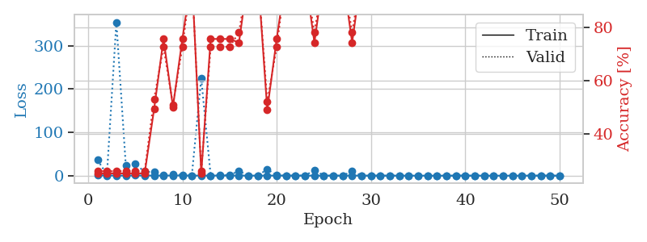
0.30958068824 | 250.26250358 | 0.2527173913 | 0.26086956522 | 2.4196972847 | 25.27173913 | 26.086956522
0.56977189041 | 3.867852211 | 0.5027173913 | 0.51086956522 | 2.4123721123 | 50.27173913 | 51.086956522
0.25854703849 | 4.6982996982 | 0.50815217391 | 0.47826086957 | 2.417001009 | 50.815217391 | 47.826086957
0.064206447776 | 0.15380504533 | 1 | 1 | 2.4124569893 | 100 | 100
0.22573012 | 0.58705240488 | 0.50815217391 | 0.47826086957 | 2.424134016 | 50.815217391 | 47.826086957
0.19933057277 | 21.791888942 | 0.2527173913 | 0.26086956522 | 2.4083065987 | 25.27173913 | 26.086956522
0.19360253585 | 2.1006426759 | 0.50815217391 | 0.47826086957 | 2.4358873367 | 50.815217391 | 47.826086957
0.075194960075 | 0.60065812002 | 0.75815217391 | 0.72826086957 | 2.4151198864 | 75.815217391 | 72.826086957
0.087657881577 | 0.010782973476 | 1 | 1 | 2.4375727177 | 100 | 100
0.04309825253 | 0.0098169630636 | 1 | 1 | 2.4353320599 | 100 | 100
0.092489445096 | 11.014040449 | 0.25 | 0.25 | 2.4096825123 | 25 | 25
0.1739753114 | 0.80208224317 | 0.75815217391 | 0.72826086957 | 2.4079713821 | 75.815217391 | 72.826086957
0.1008858718 | 1.3515172031 | 0.75815217391 | 0.72826086957 | 2.4057247639 | 75.815217391 | 72.826086957
0.39897423337 | 5.2279424564 | 0.50815217391 | 0.47826086957 | 2.3953871727 | 50.815217391 | 47.826086957
0.27866375438 | 1.0287823807 | 0.50815217391 | 0.47826086957 | 2.4221224785 | 50.815217391 | 47.826086957
0.21748952997 | 1.5844596987 | 0.50815217391 | 0.47826086957 | 2.4134402275 | 50.815217391 | 47.826086957
0.21020530525 | 56.430395541 | 0.2527173913 | 0.26086956522 | 2.4284622669 | 25.27173913 | 26.086956522
0.12969083749 | 5.3584873365 | 0.50815217391 | 0.47826086957 | 2.4095118046 | 50.815217391 | 47.826086957
0.10502418989 | 0.89559522919 | 0.50815217391 | 0.47826086957 | 2.4131813049 | 50.815217391 | 47.826086957
0.096222042217 | 214.54204194 | 0.2527173913 | 0.26086956522 | 2.4071242809 | 25.27173913 | 26.086956522
0.11975295969 | 9.292035165 | 0.2527173913 | 0.26086956522 | 2.4122722149 | 25.27173913 | 26.086956522
0.3362137266 | 1.7373651992 | 0.50815217391 | 0.47826086957 | 2.4095458984 | 50.815217391 | 47.826086957
0.20119729909 | 0.0064328424633 | 1 | 1 | 2.4207732677 | 100 | 100
0.18505256334 | 0.057574522884 | 1 | 1 | 2.4095003605 | 100 | 100
0.073881543687 | 0.007812132816 | 1 | 1 | 2.4223883152 | 100 | 100
0.011782995663 | 0.0023579189817 | 1 | 1 | 2.4099395275 | 100 | 100
0.020949856626 | 0.0032355500203 | 1 | 1 | 2.4081699848 | 100 | 100
0.1687051889 | 0.0070104962012 | 1 | 1 | 2.3964054585 | 100 | 100
0.022760135527 | 0.0018569103634 | 1 | 1 | 2.4180471897 | 100 | 100
0.20990593374 | 0.030862107144 | 1 | 1 | 2.4217886925 | 100 | 100
0.1173069225 | 0.018484371917 | 1 | 1 | 2.407746315 | 100 | 100
0.036536823887 | 0.0061613306525 | 1 | 1 | 2.4143257141 | 100 | 100
0.10831423855 | 0.0045958771168 | 1 | 1 | 2.4080607891 | 100 | 100
0.059028262849 | 0.0075332035675 | 1 | 1 | 2.4225482941 | 100 | 100
0.054772106151 | 0.010368362029 | 1 | 1 | 2.4147994518 | 100 | 100
0.017803729001 | 0.0030148257198 | 1 | 1 | 2.4092230797 | 100 | 100
0.018112593356 | 0.0019903921664 | 1 | 1 | 2.4287362099 | 100 | 100
0.016855372971 | 0.0018828286101 | 1 | 1 | 2.4207055569 | 100 | 100
0.033305839975 | 0.0024295938707 | 1 | 1 | 2.4131557941 | 100 | 100
0.057941554448 | 0.0016178911218 | 1 | 1 | 2.4164960384 | 100 | 100
0.035337747854 | 0.0019824716728 | 1 | 1 | 2.415355444 | 100 | 100
0.06721508592 | 0.0020860201456 | 1 | 1 | 2.4201776981 | 100 | 100
0.069946039093 | 0.0020303292524 | 1 | 1 | 2.4307777882 | 100 | 100
0.045474651806 | 0.0025446782719 | 1 | 1 | 2.4118714333 | 100 | 100
0.026325803888 | 0.0019966131279 | 1 | 1 | 2.4150505066 | 100 | 100
0.044425392063 | 0.0021488809371 | 1 | 1 | 2.4250452518 | 100 | 100
0.026427939762 | 0.0017813737099 | 1 | 1 | 2.4200036526 | 100 | 100
0.16285171452 | 0.0020001857319 | 1 | 1 | 2.4281845093 | 100 | 100

Best Val accuracy is 1.0 and Best test accuracy is 1.0

Sheet8
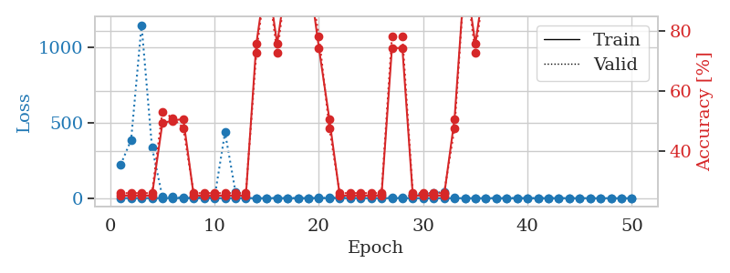
train_loss | valid_loss | train_accuracy | valid_accuracy | dur | train_misclass | valid_misclass
0.98285220239 | 39.817621148 | 0.2527173913 | 0.26086956522 | 1.148229599 | 25.27173913 | 26.086956522
0.48579977453 | 162.28201626 | 0.2527173913 | 0.26086956522 | 1.1481342316 | 25.27173913 | 26.086956522
0.18223457573 | 6.4965186119 | 0.25 | 0.25 | 1.1426231861 | 25 | 25
0.15013148927 | 22.667330452 | 0.2527173913 | 0.26086956522 | 1.1434531212 | 25.27173913 | 26.086956522
0.17847370838 | 14.641647049 | 0.2527173913 | 0.26086956522 | 1.1438190937 | 25.27173913 | 26.086956522
0.19160305097 | 6.1120779825 | 0.2527173913 | 0.26086956522 | 1.1442933083 | 25.27173913 | 26.086956522
0.156842091 | 0.90389347336 | 0.50815217391 | 0.47826086957 | 1.1436040401 | 50.815217391 | 47.826086957
0.023327465331 | 0.01762689318 | 1 | 1 | 1.1449115276 | 100 | 100
0.13098632308 | 1.4089701539 | 0.50815217391 | 0.47826086957 | 1.1444814205 | 50.815217391 | 47.826086957
0.74494440083 | 51.670777528 | 0.2527173913 | 0.26086956522 | 1.1422829628 | 25.27173913 | 26.086956522
0.21588773434 | 1.1060279141 | 0.50815217391 | 0.47826086957 | 1.1434092522 | 50.815217391 | 47.826086957
0.15025803329 | 0.32844054699 | 0.75815217391 | 0.72826086957 | 1.142780304 | 75.815217391 | 72.826086957
0.078104680647 | 0.015334570821 | 1 | 1 | 1.1436758041 | 100 | 100
0.086284361015 | 0.072063659358 | 1 | 1 | 1.1427791119 | 100 | 100
0.22658119785 | 0.98598293895 | 0.75815217391 | 0.72826086957 | 1.1439499855 | 75.815217391 | 72.826086957
0.18716186752 | 2.1186524215 | 0.75815217391 | 0.72826086957 | 1.1427609921 | 75.815217391 | 72.826086957
0.12503601224 | 0.05813256473 | 1 | 1 | 1.1422715187 | 100 | 100
0.05392665089 | 0.17001704289 | 1 | 1 | 1.1416273117 | 100 | 100
0.22504458506 | 12.269281968 | 0.74456521739 | 0.78260869565 | 1.1425688267 | 74.456521739 | 78.260869565
0.27730559982 | 3.3690912102 | 0.74456521739 | 0.78260869565 | 1.1431596279 | 74.456521739 | 78.260869565
0.079135011062 | 0.3752415245 | 0.75815217391 | 0.72826086957 | 1.1422791481 | 75.815217391 | 72.826086957
0.073112968659 | 0.054420885832 | 1 | 1 | 1.1424262524 | 100 | 100
0.42102624035 | 0.83363433506 | 0.50815217391 | 0.47826086957 | 1.1433906555 | 50.815217391 | 47.826086957
0.039483071659 | 0.031628985849 | 1 | 1 | 1.1437885761 | 100 | 100
0.04188472112 | 0.02496483428 | 1 | 1 | 1.1424484253 | 100 | 100
0.090196687455 | 0.34710143312 | 0.75815217391 | 0.72826086957 | 1.1431136131 | 75.815217391 | 72.826086957
0.11894822883 | 0.27374388342 | 0.74456521739 | 0.78260869565 | 1.1429831982 | 74.456521739 | 78.260869565
0.065472626861 | 0.62317674186 | 0.75815217391 | 0.72826086957 | 1.1439502239 | 75.815217391 | 72.826086957
0.022532587332 | 0.13954088221 | 1 | 1 | 1.1425328255 | 100 | 100
0.021249189409 | 0.076539815768 | 1 | 1 | 1.1432366371 | 100 | 100
0.022236310396 | 0.010711086469 | 1 | 1 | 1.1427736282 | 100 | 100
0.014759726215 | 0.12530331346 | 1 | 1 | 1.1444177628 | 100 | 100
0.027321399397 | 0.60327251061 | 0.75815217391 | 0.72826086957 | 1.1438632011 | 75.815217391 | 72.826086957
0.034234832914 | 1.4822084437 | 0.50815217391 | 0.47826086957 | 1.1437733173 | 50.815217391 | 47.826086957
0.1402576716 | 0.34994401686 | 0.75815217391 | 0.72826086957 | 1.1440958977 | 75.815217391 | 72.826086957
0.0097058886034 | 0.075601416114 | 1 | 1 | 1.1446070671 | 100 | 100
0.15163723288 | 0.91289452366 | 0.75815217391 | 0.72826086957 | 1.1445217133 | 75.815217391 | 72.826086957
0.099152243904 | 0.064812208485 | 1 | 1 | 1.1452395916 | 100 | 100
0.028444152338 | 0.0042328024789 | 1 | 1 | 1.1449747086 | 100 | 100
0.030479830983 | 0.0023619486019 | 1 | 1 | 1.1444368362 | 100 | 100
0.020220554462 | 0.0010094916468 | 1 | 1 | 1.1448533535 | 100 | 100
0.16655262984 | 0.020248878261 | 1 | 1 | 1.1470034122 | 100 | 100
0.017797576775 | 0.0026964364351 | 1 | 1 | 1.1510391235 | 100 | 100
0.06470274497 | 0.00096894289954 | 1 | 1 | 1.1512513161 | 100 | 100
0.051682214075 | 0.0010340627556 | 1 | 1 | 1.151088953 | 100 | 100
0.028352409702 | 0.00092789543408 | 1 | 1 | 1.1509404182 | 100 | 100
0.019631574905 | 0.0010982982197 | 1 | 1 | 1.150990963 | 100 | 100
0.020111080792 | 0.00085908422783 | 1 | 1 | 1.1515409946 | 100 | 100
0.11517360252 | 0.0014502747926 | 1 | 1 | 1.1503255367 | 100 | 100
0.076400274327 | 0.00090034225318 | 1 | 1 | 1.1497449875 | 100 | 100

Best Val accuracy is 1.0 and Best test accuracy is 1.0
train_loss | valid_loss | train_accuracy | valid_accuracy | dur | train_misclass | valid_misclass
0.78265537646 | 222.51824885 | 0.2527173913 | 0.26086956522 | 2.4067707062 | 25.27173913 | 26.086956522
0.55530672618 | 387.11182835 | 0.2527173913 | 0.26086956522 | 2.3995146751 | 25.27173913 | 26.086956522
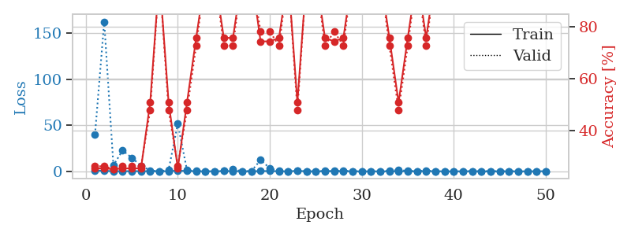
0.54229389325 | 1149.9182447 | 0.2527173913 | 0.26086956522 | 2.4112334251 | 25.27173913 | 26.086956522
0.28270016287 | 338.0635376 | 0.2527173913 | 0.26086956522 | 2.4175498486 | 25.27173913 | 26.086956522
0.19675533198 | 7.708263957 | 0.49456521739 | 0.53260869565 | 2.4117503166 | 49.456521739 | 53.260869565
0.38425237718 | 8.7384796143 | 0.5027173913 | 0.51086956522 | 2.417429924 | 50.27173913 | 51.086956522
0.2175264199 | 2.3556672127 | 0.50815217391 | 0.47826086957 | 2.4172093868 | 50.815217391 | 47.826086957
0.081220291312 | 3.6881093875 | 0.2527173913 | 0.26086956522 | 2.414604187 | 25.27173913 | 26.086956522
0.087571076775 | 9.1343691867 | 0.2527173913 | 0.26086956522 | 2.4062991142 | 25.27173913 | 26.086956522
0.10856643357 | 5.8224306729 | 0.2527173913 | 0.26086956522 | 2.405153513 | 25.27173913 | 26.086956522
0.23301491849 | 436.74950508 | 0.2527173913 | 0.26086956522 | 2.4006035328 | 25.27173913 | 26.086956522
0.35060008516 | 43.320581685 | 0.2527173913 | 0.26086956522 | 2.4106955528 | 25.27173913 | 26.086956522
0.35565936254 | 3.2581110519 | 0.2527173913 | 0.26086956522 | 2.4048981667 | 25.27173913 | 26.086956522
0.14946223501 | 0.40684796028 | 0.75815217391 | 0.72826086957 | 2.4107034206 | 75.815217391 | 72.826086957
0.034727846794 | 0.0043761587864 | 1 | 1 | 2.4362251759 | 100 | 100
0.48793593411 | 1.0128472914 | 0.75815217391 | 0.72826086957 | 2.4067211151 | 75.815217391 | 72.826086957
0.14529146316 | 0.038879479484 | 1 | 1 | 2.4074914455 | 100 | 100
0.093243138298 | 0.17591257814 | 1 | 1 | 2.4163880348 | 100 | 100
0.060501155874 | 0.011586827671 | 1 | 1 | 2.4312093258 | 100 | 100
0.35979973578 | 1.8132160176 | 0.74456521739 | 0.78260869565 | 2.4128844738 | 74.456521739 | 78.260869565
0.096831519896 | 1.9987572121 | 0.50815217391 | 0.47826086957 | 2.4135220051 | 50.815217391 | 47.826086957
0.19754923762 | 4.490793819 | 0.2527173913 | 0.26086956522 | 2.3965849876 | 25.27173913 | 26.086956522
0.16213578162 | 4.4793324989 | 0.2527173913 | 0.26086956522 | 2.4084107876 | 25.27173913 | 26.086956522
0.019873161142 | 9.0778821862 | 0.2527173913 | 0.26086956522 | 2.4020786285 | 25.27173913 | 26.086956522
0.032794635561 | 12.497386227 | 0.2527173913 | 0.26086956522 | 2.4075365067 | 25.27173913 | 26.086956522
0.062233872676 | 22.483990959 | 0.2527173913 | 0.26086956522 | 2.3932561874 | 25.27173913 | 26.086956522
0.10174020476 | 3.3663935039 | 0.74456521739 | 0.78260869565 | 2.3957700729 | 74.456521739 | 78.260869565
0.054067045668 | 5.1224265202 | 0.74456521739 | 0.78260869565 | 2.4065666199 | 74.456521739 | 78.260869565
0.077411975722 | 20.393667221 | 0.2527173913 | 0.26086956522 | 2.4257657528 | 25.27173913 | 26.086956522
0.048771541277 | 30.066620122 | 0.2527173913 | 0.26086956522 | 2.4316101074 | 25.27173913 | 26.086956522
0.031039339865 | 31.815463937 | 0.2527173913 | 0.26086956522 | 2.4086070061 | 25.27173913 | 26.086956522
0.13373232885 | 43.722977514 | 0.2527173913 | 0.26086956522 | 2.4221234322 | 25.27173913 | 26.086956522
0.024943753216 | 3.5284874232 | 0.50815217391 | 0.47826086957 | 2.4073114395 | 50.815217391 | 47.826086957
0.052416060292 | 0.0028824494524 | 1 | 1 | 2.4251139164 | 100 | 100
0.10164682631 | 0.34830392832 | 0.75815217391 | 0.72826086957 | 2.4232337475 | 75.815217391 | 72.826086957
0.041957132139 | 0.0025872799122 | 1 | 1 | 2.4192960262 | 100 | 100
0.060772724414 | 0.0021938769774 | 1 | 1 | 2.4140527248 | 100 | 100
0.017245669014 | 0.001034121267 | 1 | 1 | 2.4125492573 | 100 | 100
0.0445623599 | 0.00080151356625 | 1 | 1 | 2.4239571095 | 100 | 100
0.017914987503 | 0.0010044689761 | 1 | 1 | 2.4229106903 | 100 | 100
0.018751617111 | 0.00077248456554 | 1 | 1 | 2.4282879829 | 100 | 100
0.025638487995 | 0.00076643837383 | 1 | 1 | 2.4079110622 | 100 | 100
0.10895338007 | 0.00088465176573 | 1 | 1 | 2.4187736511 | 100 | 100
0.057004777512 | 0.00065151749574 | 1 | 1 | 2.4112794399 | 100 | 100
0.15159456397 | 0.00052334743162 | 1 | 1 | 2.4130811691 | 100 | 100
0.02614363317 | 0.00069009631103 | 1 | 1 | 2.4114096165 | 100 | 100
0.007071106248 | 0.00068016472505 | 1 | 1 | 2.4213018417 | 100 | 100
0.014440742939 | 0.00054433484531 | 1 | 1 | 2.4206402302 | 100 | 100
0.012808285774 | 0.00080438157412 | 1 | 1 | 2.4203276634 | 100 | 100
0.01074787432 | 0.0005326993971 | 1 | 1 | 2.3933784962 | 100 | 100

Best Val accuracy is 1.0 and Best test accuracy is 1.0

Sheet9
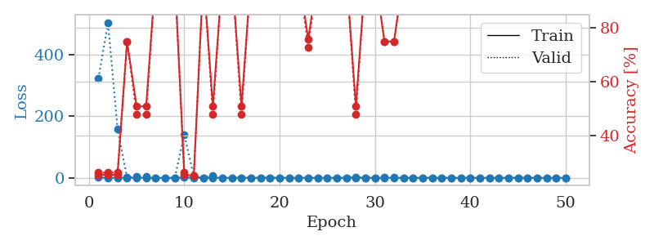
train_loss | valid_loss | train_accuracy | valid_accuracy | dur | train_misclass | valid_misclass
0.89064181758 | 88.442969281 | 0.2527173913 | 0.26086956522 | 1.1512908936 | 25.27173913 | 26.086956522
0.50651137596 | 303.62823221 | 0.2527173913 | 0.26086956522 | 1.1477267742 | 25.27173913 | 26.086956522
0.36607429126 | 4.3590796616 | 0.50815217391 | 0.47826086957 | 1.1455821991 | 50.815217391 | 47.826086957
0.45946094653 | 553.01084834 | 0.2527173913 | 0.26086956522 | 1.147550106 | 25.27173913 | 26.086956522
0.17851313001 | 103.57578344 | 0.2527173913 | 0.26086956522 | 1.1439530849 | 25.27173913 | 26.086956522
0.13990700966 | 13.901939102 | 0.2527173913 | 0.26086956522 | 1.1444427967 | 25.27173913 | 26.086956522
0.044645671915 | 0.047646336095 | 1 | 1 | 1.1446020603 | 100 | 100
0.11567683259 | 0.12519724602 | 1 | 1 | 1.1458799839 | 100 | 100
0.17221499942 | 50.250705719 | 0.2527173913 | 0.26086956522 | 1.1439445019 | 25.27173913 | 26.086956522
0.11233584249 | 6.8675804553 | 0.74456521739 | 0.78260869565 | 1.1445052624 | 74.456521739 | 78.260869565
0.15365476017 | 25.323301896 | 0.2527173913 | 0.26086956522 | 1.1454107761 | 25.27173913 | 26.086956522
0.2376211105 | 81.503428252 | 0.2527173913 | 0.26086956522 | 1.1446743011 | 25.27173913 | 26.086956522
0.078302720622 | 0.2978918507 | 0.75815217391 | 0.72826086957 | 1.1442592144 | 75.815217391 | 72.826086957
0.055370934996 | 0.37974929162 | 0.75815217391 | 0.72826086957 | 1.1454257965 | 75.815217391 | 72.826086957
0.061038654834 | 0.050317168236 | 1 | 1 | 1.1590480804 | 100 | 100
0.29311305527 | 146.84677058 | 0.2527173913 | 0.26086956522 | 1.1556487083 | 25.27173913 | 26.086956522
0.23861440105 | 3.3987967864 | 0.75815217391 | 0.72826086957 | 1.1578373909 | 75.815217391 | 72.826086957
0.32664733915 | 4.8989026339 | 0.50815217391 | 0.47826086957 | 1.1661324501 | 50.815217391 | 47.826086957
0.35415211018 | 14.835373091 | 0.49184782609 | 0.52173913043 | 1.1617357731 | 49.184782609 | 52.173913043
0.13484325217 | 0.38195947072 | 0.75815217391 | 0.72826086957 | 1.1575014591 | 75.815217391 | 72.826086957
0.13286026814 | 2.0351665538 | 0.75815217391 | 0.72826086957 | 1.1464054585 | 75.815217391 | 72.826086957
0.23854545729 | 0.041431277666 | 1 | 1 | 1.1577868462 | 100 | 100
0.16699176001 | 1.6399634662 | 0.50815217391 | 0.47826086957 | 1.1463031769 | 50.815217391 | 47.826086957
0.053572567564 | 0.014264254223 | 1 | 1 | 1.1461234093 | 100 | 100
0.10480088307 | 0.78814088002 | 0.2527173913 | 0.26086956522 | 1.1459600925 | 25.27173913 | 26.086956522
0.12990778321 | 0.073585541514 | 1 | 1 | 1.1464455128 | 100 | 100
0.084796785822 | 0.0051278230815 | 1 | 1 | 1.1459975243 | 100 | 100
0.054492157671 | 0.0034576341935 | 1 | 1 | 1.147932291 | 100 | 100
0.11056164879 | 0.0091676944867 | 1 | 1 | 1.1460807323 | 100 | 100
0.069298338186 | 0.0015074380157 | 1 | 1 | 1.1454277039 | 100 | 100
0.038602649685 | 0.002041789531 | 1 | 1 | 1.1458189487 | 100 | 100
0.14086879048 | 0.0041851995351 | 1 | 1 | 1.1455211639 | 100 | 100
0.018864970796 | 0.0011105576338 | 1 | 1 | 1.1443891525 | 100 | 100
0.061289644248 | 0.0023533077809 | 1 | 1 | 1.1445198059 | 100 | 100
0.12689243718 | 0.0013392517019 | 1 | 1 | 1.1441924572 | 100 | 100
0.011188775701 | 0.0013308205804 | 1 | 1 | 1.1449797153 | 100 | 100
0.054850741922 | 0.0010823315647 | 1 | 1 | 1.1456813812 | 100 | 100
0.037705279396 | 0.0014601744023 | 1 | 1 | 1.1482551098 | 100 | 100
0.015169911871 | 0.0016889702934 | 1 | 1 | 1.1522352695 | 100 | 100
0.071155139691 | 0.001437555376 | 1 | 1 | 1.1517364979 | 100 | 100
0.023039996153 | 0.0019882240069 | 1 | 1 | 1.1527295113 | 100 | 100
0.056563503185 | 0.0015052756011 | 1 | 1 | 1.1513195038 | 100 | 100
0.0069852184059 | 0.0014123898354 | 1 | 1 | 1.1505358219 | 100 | 100
0.1145548321 | 0.0012158851048 | 1 | 1 | 1.1527662277 | 100 | 100
0.033176576516 | 0.0013162353046 | 1 | 1 | 1.1514821053 | 100 | 100
0.026866691572 | 0.0012108220152 | 1 | 1 | 1.1527936459 | 100 | 100
0.091162199266 | 0.0012821854123 | 1 | 1 | 1.1519086361 | 100 | 100
0.11879212242 | 0.0012760275884 | 1 | 1 | 1.1524171829 | 100 | 100
0.0469853551 | 0.001438748132 | 1 | 1 | 1.1522476673 | 100 | 100
0.12736463068 | 0.0012939689711 | 1 | 1 | 1.1546185017 | 100 | 100

Best Val accuracy is 1.0 and Best test accuracy is 1.0
train_loss | valid_loss | train_accuracy | valid_accuracy | dur | train_misclass | valid_misclass
0.88947702361 | 323.15715359 | 0.2527173913 | 0.26086956522 | 2.4228577614 | 25.27173913 | 26.086956522
0.33201348652 | 505.15063344 | 0.2527173913 | 0.26086956522 | 2.4326226711 | 25.27173913 | 26.086956522
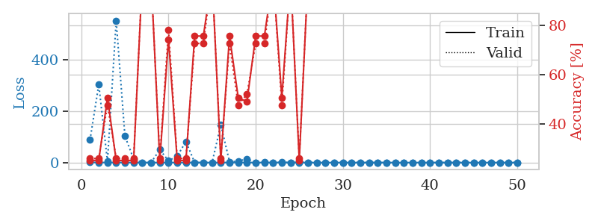
0.26666585777 | 159.43870478 | 0.2527173913 | 0.26086956522 | 2.4128434658 | 25.27173913 | 26.086956522
0.18385214606 | 0.63557831101 | 0.75 | 0.75 | 2.4112327099 | 75 | 75
0.18367968066 | 5.3230885837 | 0.50815217391 | 0.47826086957 | 2.4281015396 | 50.815217391 | 47.826086957
0.36355374579 | 4.483666648 | 0.50815217391 | 0.47826086957 | 2.4259576797 | 50.815217391 | 47.826086957
0.10244280669 | 0.026335002288 | 1 | 1 | 2.4016344547 | 100 | 100
0.020689002279 | 0.027842919383 | 1 | 1 | 2.4220099449 | 100 | 100
0.0095305842064 | 0.0036891375304 | 1 | 1 | 2.4129693508 | 100 | 100
0.72276007223 | 140.16507754 | 0.2527173913 | 0.26086956522 | 2.418451786 | 25.27173913 | 26.086956522
0.54850288481 | 5.5169730186 | 0.25 | 0.25 | 2.4089910984 | 25 | 25
0.18876945349 | 0.19578208159 | 1 | 1 | 2.4081101418 | 100 | 100
0.3583490987 | 6.6538983013 | 0.50815217391 | 0.47826086957 | 2.4132547379 | 50.815217391 | 47.826086957
0.1153187379 | 0.14243392646 | 1 | 1 | 2.4309029579 | 100 | 100
0.20800971944 | 0.076341607972 | 1 | 1 | 2.4037899971 | 100 | 100
0.26463570231 | 0.59068748484 | 0.50815217391 | 0.47826086957 | 2.4229300022 | 50.815217391 | 47.826086957
0.096613858503 | 0.017275471159 | 1 | 1 | 2.4176080227 | 100 | 100
0.12431885327 | 0.040891982777 | 1 | 1 | 2.4166488647 | 100 | 100
0.22922483977 | 0.031493817982 | 1 | 1 | 2.4039411545 | 100 | 100
0.12926755143 | 0.033898193146 | 1 | 1 | 2.413795948 | 100 | 100
0.041027959112 | 0.023241216722 | 1 | 1 | 2.4154644012 | 100 | 100
0.22117375984 | 0.15598124266 | 1 | 1 | 2.4106767178 | 100 | 100
0.16733750344 | 0.26033705797 | 0.75815217391 | 0.72826086957 | 2.4176330566 | 75.815217391 | 72.826086957
0.14868630277 | 0.030769078952 | 1 | 1 | 2.4321415424 | 100 | 100
0.075232116759 | 0.080467088067 | 1 | 1 | 2.4223241806 | 100 | 100
0.037345537035 | 0.049595970013 | 1 | 1 | 2.4275238514 | 100 | 100
0.023741911631 | 0.072425710442 | 1 | 1 | 2.4103405476 | 100 | 100
0.32999906807 | 1.4863602752 | 0.50815217391 | 0.47826086957 | 2.4149456024 | 50.815217391 | 47.826086957
0.076386273089 | 0.093476984812 | 1 | 1 | 2.4050221443 | 100 | 100
0.15663601551 | 0.22242046698 | 1 | 1 | 2.4002923965 | 100 | 100
0.077534974806 | 0.68427512957 | 0.75 | 0.75 | 2.4167823792 | 75 | 75
0.083833806703 | 0.66533081687 | 0.75 | 0.75 | 2.4177324772 | 75 | 75
0.066123641177 | 0.0044573960502 | 1 | 1 | 2.4346296787 | 100 | 100
0.012747183224 | 0.0012013565384 | 1 | 1 | 2.3929617405 | 100 | 100
0.045189384204 | 0.0038409764656 | 1 | 1 | 2.4046368599 | 100 | 100
0.032989475248 | 0.0057469399686 | 1 | 1 | 2.4217712879 | 100 | 100
0.024851826118 | 0.0028435457802 | 1 | 1 | 2.4175186157 | 100 | 100
0.020145099438 | 0.0029804337284 | 1 | 1 | 2.4200282097 | 100 | 100
0.052644499529 | 0.010748918938 | 1 | 1 | 2.412730217 | 100 | 100
0.076424246985 | 0.11900114365 | 1 | 1 | 2.3977489471 | 100 | 100
0.035714379776 | 0.032917814248 | 1 | 1 | 2.4109997749 | 100 | 100
0.04430361968 | 0.0045333497186 | 1 | 1 | 2.4186422825 | 100 | 100
0.040471366149 | 0.0041951751336 | 1 | 1 | 2.4190490246 | 100 | 100
0.11391955381 | 0.0038503509055 | 1 | 1 | 2.4090781212 | 100 | 100
0.049575009778 | 0.0015801433423 | 1 | 1 | 2.4098229408 | 100 | 100
0.053342109819 | 0.001153134746 | 1 | 1 | 2.4147834778 | 100 | 100
0.032784160378 | 0.0011599320038 | 1 | 1 | 2.4216468334 | 100 | 100
0.03218660901 | 0.001476453187 | 1 | 1 | 2.4011173248 | 100 | 100
0.013986685379 | 0.0014852489112 | 1 | 1 | 2.4094200134 | 100 | 100
0.10359291717 | 0.00095757655799 | 1 | 1 | 2.4309623241 | 100 | 100

Best Val accuracy is 1.0 and Best test accuracy is 1.0

Sheet10
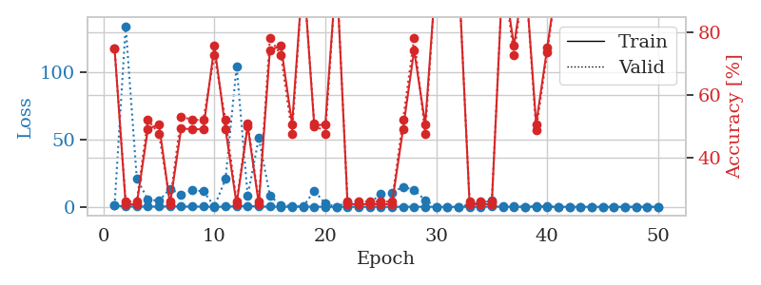
train_loss | valid_loss | train_accuracy | valid_accuracy | dur | train_misclass | valid_misclass
1.0691928138 | 616.30457339 | 0.2527173913 | 0.26086956522 | 1.1480140686 | 25.27173913 | 26.086956522
0.36190695542 | 5.4951208363 | 0.74456521739 | 0.78260869565 | 1.1481468678 | 74.456521739 | 78.260869565
0.36078274412 | 538.38088326 | 0.2527173913 | 0.26086956522 | 1.1476991177 | 25.27173913 | 26.086956522
0.33015243126 | 9.4683148757 | 0.2527173913 | 0.26086956522 | 1.1476221085 | 25.27173913 | 26.086956522
0.12855122749 | 62.05008797 | 0.2527173913 | 0.26086956522 | 1.1465387344 | 25.27173913 | 26.086956522
0.06032188751 | 0.027640572385 | 1 | 1 | 1.1466436386 | 100 | 100
0.34984030103 | 1.6038438807 | 0.75815217391 | 0.72826086957 | 1.1484942436 | 75.815217391 | 72.826086957
0.20853499793 | 0.68705425444 | 0.75815217391 | 0.72826086957 | 1.1464855671 | 75.815217391 | 72.826086957
0.10418490083 | 0.046954389338 | 1 | 1 | 1.1467180252 | 100 | 100
0.24969200677 | 16.39443609 | 0.2527173913 | 0.26086956522 | 1.1469314098 | 25.27173913 | 26.086956522
0.052466329248 | 0.014334547333 | 1 | 1 | 1.1458017826 | 100 | 100
0.056722414629 | 10.146575658 | 0.74456521739 | 0.78260869565 | 1.1462674141 | 74.456521739 | 78.260869565
0.099150769514 | 0.4816880576 | 0.74456521739 | 0.78260869565 | 1.1449005604 | 74.456521739 | 78.260869565
0.057971953455 | 13.056743995 | 0.2527173913 | 0.25 | 1.1453745365 | 25.27173913 | 25
0.074421219386 | 0.49388421748 | 0.74456521739 | 0.78260869565 | 1.1452338696 | 74.456521739 | 78.260869565
0.062516668518 | 12.77654171 | 0.49456521739 | 0.53260869565 | 1.1454234123 | 49.456521739 | 53.260869565
0.012203035426 | 21.917941301 | 0.25 | 0.25 | 1.1465454102 | 25 | 25
0.11636470399 | 19.602595205 | 0.2527173913 | 0.26086956522 | 1.1461670399 | 25.27173913 | 26.086956522
0.13856666066 | 162.51198014 | 0.2527173913 | 0.26086956522 | 1.1462109089 | 25.27173913 | 26.086956522
0.03417223782 | 0.0015273334297 | 1 | 1 | 1.1461892128 | 100 | 100
0.089191125473 | 0.010238625838 | 1 | 1 | 1.1458597183 | 100 | 100
0.13384207331 | 2.3639883166 | 0.5027173913 | 0.51086956522 | 1.1466677189 | 50.27173913 | 51.086956522
0.098403221421 | 16.472581739 | 0.25 | 0.25 | 1.1463177204 | 25 | 25
0.0631934974 | 0.0021288632668 | 1 | 1 | 1.146091938 | 100 | 100
0.051311591951 | 19.477127117 | 0.25 | 0.25 | 1.1465647221 | 25 | 25
0.20218873514 | 3.197199241 | 0.74456521739 | 0.78260869565 | 1.1478936672 | 74.456521739 | 78.260869565
0.027193609984 | 0.088645016046 | 1 | 1 | 1.1466748714 | 100 | 100
0.22540613651 | 8.6929668551 | 0.74456521739 | 0.78260869565 | 1.146797657 | 74.456521739 | 78.260869565
0.089074140521 | 13.63110306 | 0.49456521739 | 0.53260869565 | 1.146999836 | 49.456521739 | 53.260869565
0.011963104472 | 0.00070277591864 | 1 | 1 | 1.1478345394 | 100 | 100
0.016700689347 | 0.00072045515939 | 1 | 1 | 1.1473712921 | 100 | 100
0.031590749022 | 0.06020739302 | 1 | 1 | 1.1466600895 | 100 | 100
0.031142969373 | 0.019943486413 | 1 | 1 | 1.1476328373 | 100 | 100
0.047578006864 | 0.00076064488435 | 1 | 1 | 1.1473734379 | 100 | 100
0.0314929088 | 0.11983697181 | 1 | 1 | 1.1481554508 | 100 | 100
0.0068672483271 | 0.00063361283442 | 1 | 1 | 1.1470787525 | 100 | 100
0.0079729379188 | 0.00046001532641 | 1 | 1 | 1.1466217041 | 100 | 100
0.0048509728582 | 0.00041582572157 | 1 | 1 | 1.147544384 | 100 | 100
0.20511108682 | 3.2886935213 | 0.5027173913 | 0.51086956522 | 1.1468708515 | 50.27173913 | 51.086956522
0.099934423755 | 0.45407643525 | 0.74456521739 | 0.78260869565 | 1.1528406143 | 74.456521739 | 78.260869565
0.054256719574 | 0.0013047665226 | 1 | 1 | 1.152415514 | 100 | 100
0.20391250242 | 0.0026754110991 | 1 | 1 | 1.154073 | 100 | 100
0.015266405322 | 0.00055850366049 | 1 | 1 | 1.1532583237 | 100 | 100
0.058752131844 | 0.00060524627232 | 1 | 1 | 1.1532735825 | 100 | 100
0.035068052912 | 0.00059186729714 | 1 | 1 | 1.1536066532 | 100 | 100
0.019731811513 | 0.00061192573048 | 1 | 1 | 1.1514582634 | 100 | 100
0.009262651238 | 0.00053510913352 | 1 | 1 | 1.1540908813 | 100 | 100
0.0025645572928 | 0.00056082489597 | 1 | 1 | 1.1540336609 | 100 | 100
0.095601969825 | 0.00048426363324 | 1 | 1 | 1.1533982754 | 100 | 100
0.016473238348 | 0.00050834065769 | 1 | 1 | 1.154053688 | 100 | 100

Best Val accuracy is 1.0 and Best test accuracy is 1.0
train_loss | valid_loss | train_accuracy | valid_accuracy | dur | train_misclass | valid_misclass
0.90687260939 | 0.93005575564 | 0.75 | 0.75 | 2.4087154865 | 75 | 75
0.30608845599 | 133.96789219 | 0.2527173913 | 0.26086956522 | 2.4097092152 | 25.27173913 | 26.086956522
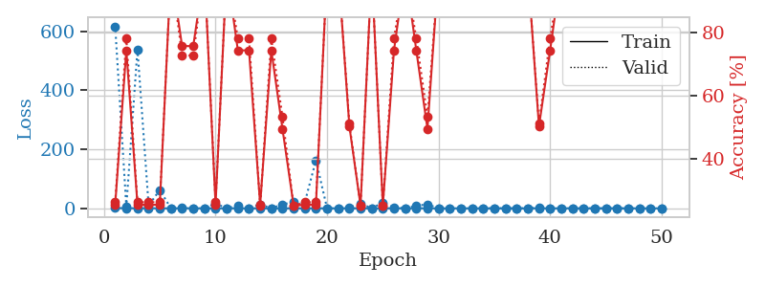
0.22625201025 | 21.202449799 | 0.2527173913 | 0.26086956522 | 2.4189286232 | 25.27173913 | 26.086956522
0.20712240486 | 5.4480984937 | 0.49184782609 | 0.52173913043 | 2.4264142513 | 49.184782609 | 52.173913043
0.19885009527 | 4.5019413803 | 0.50815217391 | 0.47826086957 | 2.4268140793 | 50.815217391 | 47.826086957
0.39470484189 | 13.414034304 | 0.2527173913 | 0.26086956522 | 2.4044992924 | 25.27173913 | 26.086956522
0.22304564419 | 9.086471454 | 0.49456521739 | 0.53260869565 | 2.4262294769 | 49.456521739 | 53.260869565
0.21684174118 | 12.227030878 | 0.49184782609 | 0.52173913043 | 2.4004046917 | 49.184782609 | 52.173913043
0.21588669316 | 11.625770154 | 0.49184782609 | 0.52173913043 | 2.4187150002 | 49.184782609 | 52.173913043
0.047884330113 | 0.32090308679 | 0.75815217391 | 0.72826086957 | 2.4112129211 | 75.815217391 | 72.826086957
0.17020031829 | 20.640505335 | 0.49184782609 | 0.52173913043 | 2.4131779671 | 49.184782609 | 52.173913043
0.43376336577 | 104.17469356 | 0.2527173913 | 0.26086956522 | 2.4163532257 | 25.27173913 | 26.086956522
0.69893429307 | 8.1038030749 | 0.5027173913 | 0.51086956522 | 2.4283559322 | 50.27173913 | 51.086956522
0.18875425722 | 51.103333017 | 0.2527173913 | 0.26086956522 | 2.417791605 | 25.27173913 | 26.086956522
0.22698904416 | 8.286268255 | 0.74456521739 | 0.78260869565 | 2.4113078117 | 74.456521739 | 78.260869565
0.07855747385 | 0.98209605269 | 0.75815217391 | 0.72826086957 | 2.4100730419 | 75.815217391 | 72.826086957
0.079725010746 | 0.84735323294 | 0.50815217391 | 0.47826086957 | 2.4013056755 | 50.815217391 | 47.826086957
0.096370523472 | 0.23622513012 | 1 | 1 | 2.4293105602 | 100 | 100
0.13682941771 | 11.894955718 | 0.5027173913 | 0.51086956522 | 2.4468660355 | 50.27173913 | 51.086956522
0.067795808002 | 2.3317766138 | 0.50815217391 | 0.47826086957 | 2.4107460976 | 50.815217391 | 47.826086957
0.030050792802 | 0.086485780776 | 1 | 1 | 2.4259457588 | 100 | 100
0.065823588257 | 3.5104093655 | 0.2527173913 | 0.26086956522 | 2.4216187 | 25.27173913 | 26.086956522
0.046061009093 | 1.7712024865 | 0.2527173913 | 0.26086956522 | 2.4127774239 | 25.27173913 | 26.086956522
0.017376796221 | 2.4825808535 | 0.2527173913 | 0.26086956522 | 2.4239039421 | 25.27173913 | 26.086956522
0.036474066493 | 9.7069591439 | 0.2527173913 | 0.26086956522 | 2.4292418957 | 25.27173913 | 26.086956522
0.019229097616 | 10.367031885 | 0.2527173913 | 0.26086956522 | 2.4360618591 | 25.27173913 | 26.086956522
0.10433085434 | 14.92670988 | 0.49184782609 | 0.52173913043 | 2.4079115391 | 49.184782609 | 52.173913043
0.080204722623 | 12.541842626 | 0.74456521739 | 0.78260869565 | 2.4255042076 | 74.456521739 | 78.260869565
0.085237345625 | 4.9203814424 | 0.50815217391 | 0.47826086957 | 2.4025700092 | 50.815217391 | 47.826086957
0.023144667644 | 0.0018034276107 | 1 | 1 | 2.407643795 | 100 | 100
0.0072370880769 | 0.0037723140508 | 1 | 1 | 2.4251747131 | 100 | 100
0.013401400708 | 0.0024699701259 | 1 | 1 | 2.3981552124 | 100 | 100
0.053412975435 | 1.6738111506 | 0.2527173913 | 0.26086956522 | 2.4222283363 | 25.27173913 | 26.086956522
0.097524360795 | 3.2071406841 | 0.2527173913 | 0.26086956522 | 2.4162425995 | 25.27173913 | 26.086956522
0.25138499351 | 4.5731860347 | 0.2527173913 | 0.26086956522 | 2.4191038609 | 25.27173913 | 26.086956522
0.026703050274 | 0.18646291611 | 1 | 1 | 2.41233325 | 100 | 100
0.054298454182 | 0.64579764397 | 0.75815217391 | 0.72826086957 | 2.4027407169 | 75.815217391 | 72.826086957
0.035121879596 | 0.0015464127823 | 1 | 1 | 2.4111912251 | 100 | 100
0.080568017524 | 0.60413062832 | 0.50815217391 | 0.48913043478 | 2.4287445545 | 50.815217391 | 48.913043478
0.074539215446 | 0.42994038825 | 0.7527173913 | 0.73913043478 | 2.4302196503 | 75.27173913 | 73.913043478
0.022783768685 | 0.0036324302909 | 1 | 1 | 2.41832757 | 100 | 100
0.034317401855 | 0.0023271486102 | 1 | 1 | 2.4116303921 | 100 | 100
0.055564068273 | 0.0033829666411 | 1 | 1 | 2.3922791481 | 100 | 100
0.046219993945 | 0.001436907216 | 1 | 1 | 2.4053599834 | 100 | 100
0.017930603865 | 0.0014237307123 | 1 | 1 | 2.4203641415 | 100 | 100
0.024094436318 | 0.0013067519252 | 1 | 1 | 2.4092459679 | 100 | 100
0.0078835539196 | 0.0016228575462 | 1 | 1 | 2.3979251385 | 100 | 100
0.0087530122128 | 0.001235642926 | 1 | 1 | 2.4012155533 | 100 | 100
0.029299580401 | 0.0012958079992 | 1 | 1 | 2.3979740143 | 100 | 100
0.024672974807 | 0.0013218006706 | 1 | 1 | 2.4021811485 | 100 | 100

Best Val accuracy is 1.0 and Best test accuracy is 1.0

