Sheet
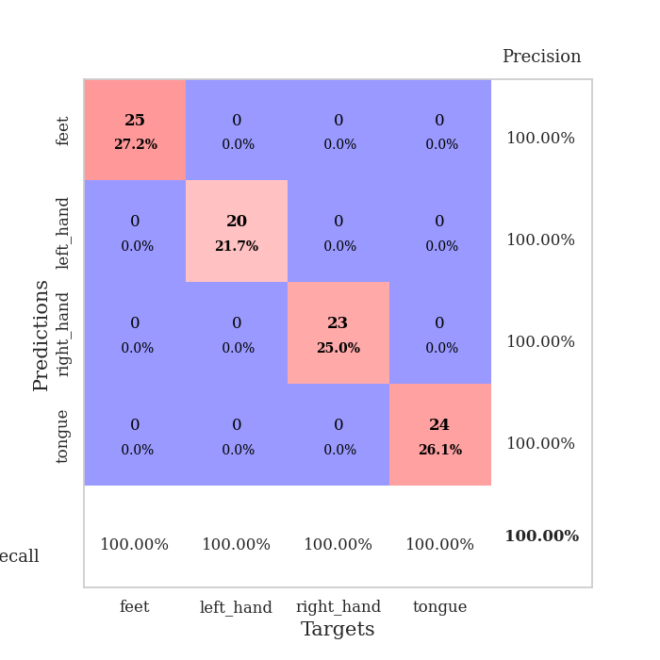
best_val_acc | best_val_los | best_test_acc
1 | 0.00077995960854 | 1
1 | 0.00061324636614 | 1
1 | 0.00071076252852 | 1
1 | 0.001016779327 | 1
1 | 0.0031304192102 | 1
1 | 0.0013150657558 | 1
1 | 0.00082805051478 | 1
1 | 0.00059181470525 | 1
1 | 0.001104659244 | 1
1 | 0.0015143204491 | 1

Mean,std Val accuracy is 1.0 , 0.0 and mean, std test accuracy is 1.0 , 0.0
best_val_acc | best_val_los | best_test_acc
1 | 0.0015984248957 | 1
1 | 0.00048312320217 | 1
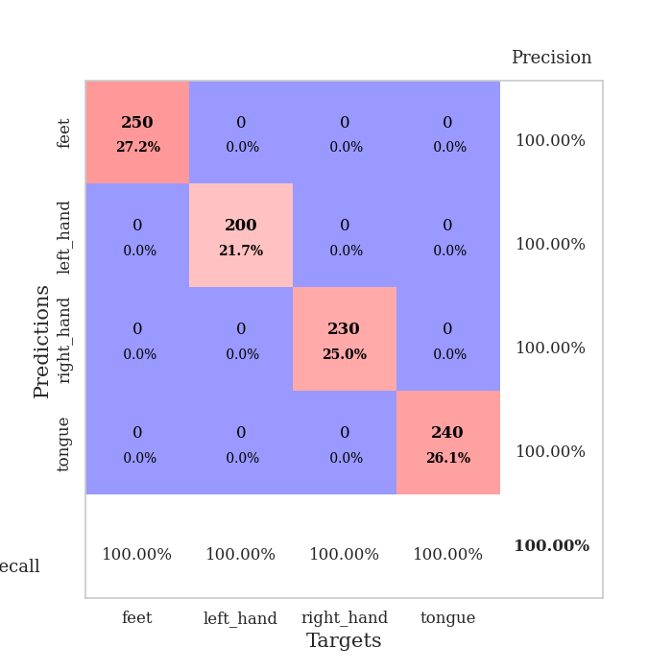
1 | 0.00016266906681 | 1
1 | 0.00061789474895 | 1
1 | 0.00077436135768 | 1
1 | 0.00053241501471 | 1
1 | 0.00066031270873 | 1
1 | 0.00091438612435 | 1
1 | 0.0011725810043 | 1
1 | 0.0013143064444 | 1

Mean,std Val accuracy is 1.0 , 0.0 and mean, std test accuracy is 1.0 , 0.0

Sheet1
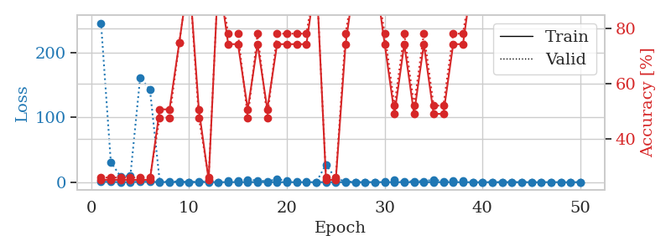
train_loss | valid_loss | train_accuracy | valid_accuracy | dur | train_misclass | valid_misclass
0.89389398564 | 45.212737208 | 0.2527173913 | 0.26086956522 | 1.1465277672 | 25.27173913 | 26.086956522
0.39637140671 | 199.41904947 | 0.2527173913 | 0.26086956522 | 1.1478722095 | 25.27173913 | 26.086956522
0.33021749491 | 9.7552406892 | 0.2527173913 | 0.26086956522 | 1.1460094452 | 25.27173913 | 26.086956522
0.18337467216 | 9.645449514 | 0.2527173913 | 0.26086956522 | 1.1458632946 | 25.27173913 | 26.086956522
0.20181060412 | 4.1496721869 | 0.74456521739 | 0.78260869565 | 1.1445655823 | 74.456521739 | 78.260869565
0.073513130809 | 0.17675592556 | 1 | 1 | 1.1470146179 | 100 | 100
0.36154006 | 1.6805433553 | 0.50815217391 | 0.47826086957 | 1.1458818913 | 50.815217391 | 47.826086957
0.41286273455 | 43.526372992 | 0.2527173913 | 0.26086956522 | 1.1439974308 | 25.27173913 | 26.086956522
0.27039249106 | 3.8781953998 | 0.50815217391 | 0.47826086957 | 1.1443860531 | 50.815217391 | 47.826086957
0.072647981508 | 1.2652730138 | 0.50815217391 | 0.47826086957 | 1.1443042755 | 50.815217391 | 47.826086957
0.11129219423 | 11.610197523 | 0.74456521739 | 0.78260869565 | 1.1438231468 | 74.456521739 | 78.260869565
0.26387538965 | 8.8375615659 | 0.74456521739 | 0.78260869565 | 1.1471042633 | 74.456521739 | 78.260869565
0.1142924383 | 2.8823338592 | 0.2527173913 | 0.26086956522 | 1.1469759941 | 25.27173913 | 26.086956522
0.017451136859 | 0.26616931739 | 0.75815217391 | 0.72826086957 | 1.1447834969 | 75.815217391 | 72.826086957
0.11932848878 | 4.6275785384 | 0.2527173913 | 0.26086956522 | 1.1445019245 | 25.27173913 | 26.086956522
0.040151597056 | 0.23444580125 | 0.75815217391 | 0.72826086957 | 1.1445348263 | 75.815217391 | 72.826086957
0.50162497599 | 9.4811392038 | 0.5027173913 | 0.51086956522 | 1.14518857 | 50.27173913 | 51.086956522
0.238691271 | 2.5879003328 | 0.5027173913 | 0.51086956522 | 1.145532608 | 50.27173913 | 51.086956522
0.056395764422 | 0.044772723285 | 1 | 1 | 1.1447691917 | 100 | 100
0.24371609786 | 0.10538818234 | 1 | 1 | 1.1454827785 | 100 | 100
0.12531258989 | 0.011040087141 | 1 | 1 | 1.1447803974 | 100 | 100
0.046721773779 | 0.21727739015 | 0.75815217391 | 0.72826086957 | 1.1453535557 | 75.815217391 | 72.826086957
0.12105995618 | 0.0066459310322 | 1 | 1 | 1.1451313496 | 100 | 100
0.060559592754 | 0.015555256492 | 1 | 1 | 1.1445438862 | 100 | 100
0.010343303443 | 0.0013523776661 | 1 | 1 | 1.1448831558 | 100 | 100
0.041539175729 | 0.0079249288158 | 1 | 1 | 1.1457221508 | 100 | 100
0.1126022589 | 0.0033511882243 | 1 | 1 | 1.1475260258 | 100 | 100
0.055224973091 | 0.01659458244 | 1 | 1 | 1.1469352245 | 100 | 100
0.042074943374 | 0.0028497638768 | 1 | 1 | 1.1466507912 | 100 | 100
0.20671159876 | 0.034304536231 | 1 | 1 | 1.1469135284 | 100 | 100
0.062919274008 | 0.014664343599 | 1 | 1 | 1.1470210552 | 100 | 100
0.044346816334 | 0.0089036195094 | 1 | 1 | 1.147207737 | 100 | 100
0.046878615503 | 0.0038706238037 | 1 | 1 | 1.146559 | 100 | 100
0.054070905686 | 0.012407626997 | 1 | 1 | 1.1469452381 | 100 | 100
0.16205446108 | 0.0020463599054 | 1 | 1 | 1.1470754147 | 100 | 100
0.028165792259 | 0.0012431296763 | 1 | 1 | 1.1505045891 | 100 | 100
0.016056230441 | 0.0016277281203 | 1 | 1 | 1.1522831917 | 100 | 100
0.011202785515 | 0.001049042158 | 1 | 1 | 1.1537950039 | 100 | 100
0.0062889847474 | 0.0011052485485 | 1 | 1 | 1.1539390087 | 100 | 100
0.02257330741 | 0.00077995960854 | 1 | 1 | 1.1539251804 | 100 | 100
0.032142928472 | 0.0014030877298 | 1 | 1 | 1.1538345814 | 100 | 100
0.77557037174 | 0.010456663232 | 1 | 1 | 1.1539535522 | 100 | 100
0.018725828171 | 0.0016133663265 | 1 | 1 | 1.1533856392 | 100 | 100
0.085306298552 | 0.0013503379786 | 1 | 1 | 1.1540322304 | 100 | 100
0.023651543369 | 0.0013563688794 | 1 | 1 | 1.1539196968 | 100 | 100
0.062489760222 | 0.0011586019132 | 1 | 1 | 1.1537673473 | 100 | 100
0.15037763826 | 0.0017665724837 | 1 | 1 | 1.1536750793 | 100 | 100
0.037922320991 | 0.0012706823839 | 1 | 1 | 1.1514062881 | 100 | 100
0.023847530335 | 0.0010949350974 | 1 | 1 | 1.1544778347 | 100 | 100
0.03673523705 | 0.0013246538887 | 1 | 1 | 1.1537761688 | 100 | 100

Best Val accuracy is 1.0 and Best test accuracy is 1.0
train_loss | valid_loss | train_accuracy | valid_accuracy | dur | train_misclass | valid_misclass
0.86892162199 | 245.40790326 | 0.2527173913 | 0.26086956522 | 2.4026503563 | 25.27173913 | 26.086956522
0.39451507317 | 30.914035548 | 0.2527173913 | 0.26086956522 | 2.4103713036 | 25.27173913 | 26.086956522
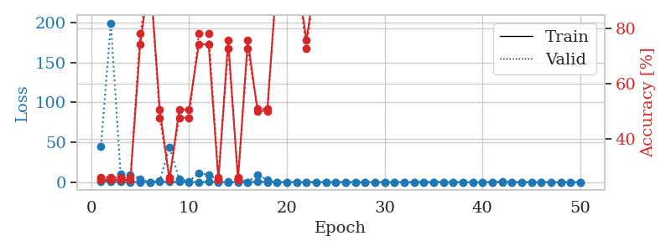
0.27197478064 | 8.7283362928 | 0.2527173913 | 0.26086956522 | 2.4135200977 | 25.27173913 | 26.086956522
0.2004743578 | 9.8645881155 | 0.2527173913 | 0.26086956522 | 2.4106369019 | 25.27173913 | 26.086956522
0.71913801375 | 161.30986023 | 0.2527173913 | 0.26086956522 | 2.4027302265 | 25.27173913 | 26.086956522
0.61580897835 | 142.97442096 | 0.2527173913 | 0.26086956522 | 2.4052975178 | 25.27173913 | 26.086956522
0.16949750305 | 1.0340318706 | 0.50815217391 | 0.47826086957 | 2.4081749916 | 50.815217391 | 47.826086957
0.2356315128 | 1.1303102063 | 0.50815217391 | 0.47826086957 | 2.4051032066 | 50.815217391 | 47.826086957
0.12195054511 | 1.0659272723 | 0.75 | 0.75 | 2.4077718258 | 75 | 75
0.18847374031 | 0.17621316275 | 1 | 1 | 2.4323148727 | 100 | 100
0.15601531185 | 0.70328364942 | 0.50815217391 | 0.47826086957 | 2.4226164818 | 50.815217391 | 47.826086957
0.26463849482 | 1.6967619968 | 0.2527173913 | 0.26086956522 | 2.4177677631 | 25.27173913 | 26.086956522
0.071534909915 | 0.053936788731 | 1 | 1 | 2.4028916359 | 100 | 100
0.12841362099 | 2.5316627959 | 0.74456521739 | 0.78260869565 | 2.4157853127 | 74.456521739 | 78.260869565
0.12217868844 | 2.1851140105 | 0.74456521739 | 0.78260869565 | 2.3949565887 | 74.456521739 | 78.260869565
0.096353759908 | 3.5721428498 | 0.50815217391 | 0.47826086957 | 2.415528059 | 50.815217391 | 47.826086957
0.21002318186 | 2.8446546741 | 0.74456521739 | 0.78260869565 | 2.4110081196 | 74.456521739 | 78.260869565
0.30407422758 | 1.3671146683 | 0.50815217391 | 0.47826086957 | 2.3965842724 | 50.815217391 | 47.826086957
0.16697364993 | 4.6665454636 | 0.74456521739 | 0.78260869565 | 2.4098608494 | 74.456521739 | 78.260869565
0.052563973338 | 2.4961948136 | 0.74456521739 | 0.78260869565 | 2.4274611473 | 74.456521739 | 78.260869565
0.043731294643 | 0.46289582227 | 0.74456521739 | 0.78260869565 | 2.4243755341 | 74.456521739 | 78.260869565
0.035629449351 | 0.43687268573 | 0.74456521739 | 0.78260869565 | 2.4361963272 | 74.456521739 | 78.260869565
0.018786368709 | 0.0062069223343 | 1 | 1 | 2.4132580757 | 100 | 100
0.15088747691 | 27.31627456 | 0.2527173913 | 0.26086956522 | 2.4181604385 | 25.27173913 | 26.086956522
0.090244490856 | 5.2258000374 | 0.2527173913 | 0.26086956522 | 2.4122138023 | 25.27173913 | 26.086956522
0.066335009209 | 1.4681750121 | 0.74456521739 | 0.78260869565 | 2.4336824417 | 74.456521739 | 78.260869565
0.066738405903 | 0.031543675324 | 1 | 1 | 2.4130399227 | 100 | 100
0.062401648165 | 0.0051943610989 | 1 | 1 | 2.4208171368 | 100 | 100
0.16227777094 | 0.0091290552088 | 1 | 1 | 2.4152860641 | 100 | 100
0.096417853421 | 0.85343747294 | 0.74456521739 | 0.78260869565 | 2.4255578518 | 74.456521739 | 78.260869565
0.063538493305 | 3.1787904553 | 0.49184782609 | 0.52173913043 | 2.4109742641 | 49.184782609 | 52.173913043
0.045621363588 | 1.073227561 | 0.74456521739 | 0.78260869565 | 2.4233682156 | 74.456521739 | 78.260869565
0.016443679868 | 1.5756219159 | 0.49184782609 | 0.52173913043 | 2.4272763729 | 49.184782609 | 52.173913043
0.014238426507 | 1.4625748811 | 0.74456521739 | 0.78260869565 | 2.4219560623 | 74.456521739 | 78.260869565
0.10791148655 | 3.9554480262 | 0.49184782609 | 0.52173913043 | 2.4117071629 | 49.184782609 | 52.173913043
0.0556869335 | 1.4835745925 | 0.49184782609 | 0.52173913043 | 2.4061169624 | 49.184782609 | 52.173913043
0.010883905844 | 1.6910494877 | 0.74456521739 | 0.78260869565 | 2.4331867695 | 74.456521739 | 78.260869565
0.025044807304 | 1.8535688079 | 0.74456521739 | 0.78260869565 | 2.4258327484 | 74.456521739 | 78.260869565
0.028259248493 | 0.12103910647 | 1 | 1 | 2.4125893116 | 100 | 100
0.014182690278 | 0.0033062643817 | 1 | 1 | 2.4132812023 | 100 | 100
0.018672660459 | 0.0055095745534 | 1 | 1 | 2.4070456028 | 100 | 100
0.0094613029581 | 0.0022439575835 | 1 | 1 | 2.4124984741 | 100 | 100
0.0082173232222 | 0.0033456320348 | 1 | 1 | 2.4349594116 | 100 | 100
0.027400222121 | 0.0019764364191 | 1 | 1 | 2.4145274162 | 100 | 100
0.019984739607 | 0.002290740761 | 1 | 1 | 2.4349110126 | 100 | 100
0.0090898987129 | 0.0016928654488 | 1 | 1 | 2.4056560993 | 100 | 100
0.14744417115 | 0.0015984248957 | 1 | 1 | 2.406901598 | 100 | 100
0.008026681929 | 0.0016667881535 | 1 | 1 | 2.413340807 | 100 | 100
0.0097413434819 | 0.0018087674904 | 1 | 1 | 2.3961596489 | 100 | 100
0.058499071691 | 0.0017600311068 | 1 | 1 | 2.4286687374 | 100 | 100

Best Val accuracy is 1.0 and Best test accuracy is 1.0

Sheet2
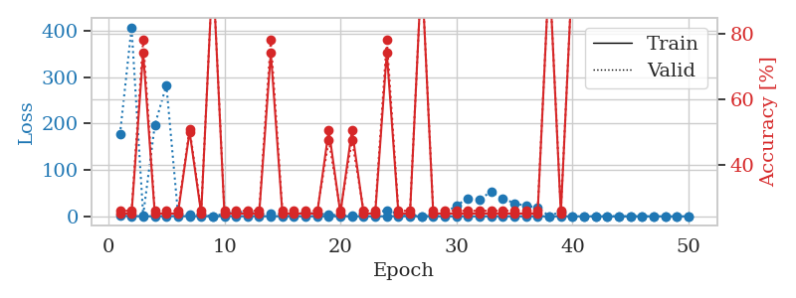
train_loss | valid_loss | train_accuracy | valid_accuracy | dur | train_misclass | valid_misclass
1.0366245962 | 46.85314278 | 0.2527173913 | 0.26086956522 | 1.1492805481 | 25.27173913 | 26.086956522
0.46171831696 | 13.814936928 | 0.2527173913 | 0.26086956522 | 1.1498754025 | 25.27173913 | 26.086956522
0.23557638895 | 3.5473709417 | 0.2527173913 | 0.26086956522 | 1.1481587887 | 25.27173913 | 26.086956522
0.11071800931 | 36.453295666 | 0.2527173913 | 0.26086956522 | 1.1475293636 | 25.27173913 | 26.086956522
0.17523628951 | 0.015488802172 | 1 | 1 | 1.1471118927 | 100 | 100
0.29997058022 | 685.55058222 | 0.2527173913 | 0.26086956522 | 1.1482374668 | 25.27173913 | 26.086956522
0.2549957665 | 2.2141082028 | 0.75815217391 | 0.72826086957 | 1.1476707458 | 75.815217391 | 72.826086957
0.29038650227 | 210.40513279 | 0.2527173913 | 0.26086956522 | 1.1478414536 | 25.27173913 | 26.086956522
0.096525168775 | 73.452920997 | 0.2527173913 | 0.26086956522 | 1.1477036476 | 25.27173913 | 26.086956522
0.063781460747 | 0.15140392534 | 1 | 1 | 1.1477928162 | 100 | 100
0.10752712654 | 11.918275543 | 0.2527173913 | 0.26086956522 | 1.1476402283 | 25.27173913 | 26.086956522
0.045877963213 | 15.999880459 | 0.24184782609 | 0.27173913043 | 1.1480453014 | 24.184782609 | 27.173913043
0.042830794852 | 0.024130846738 | 1 | 1 | 1.1482799053 | 100 | 100
0.3099436946 | 11.746608029 | 0.49456521739 | 0.53260869565 | 1.1484136581 | 49.456521739 | 53.260869565
0.43898347087 | 2647.1062755 | 0.2527173913 | 0.26086956522 | 1.1492199898 | 25.27173913 | 26.086956522
0.18980805892 | 535.28339154 | 0.2527173913 | 0.26086956522 | 1.1482787132 | 25.27173913 | 26.086956522
0.1539008581 | 345.09958284 | 0.2527173913 | 0.26086956522 | 1.1486203671 | 25.27173913 | 26.086956522
0.12838371029 | 0.027050932788 | 1 | 1 | 1.1488296986 | 100 | 100
0.10586658766 | 0.024897713781 | 1 | 1 | 1.1480381489 | 100 | 100
0.015260868048 | 2.9894552127 | 0.74456521739 | 0.78260869565 | 1.1485943794 | 74.456521739 | 78.260869565
0.056123738828 | 0.0010469187628 | 1 | 1 | 1.1485459805 | 100 | 100
0.035711259515 | 372.61838167 | 0.2527173913 | 0.26086956522 | 1.1485898495 | 25.27173913 | 26.086956522
0.020662927803 | 0.005158380828 | 1 | 1 | 1.1488106251 | 100 | 100
0.089181848501 | 73.397690814 | 0.2527173913 | 0.26086956522 | 1.1490004063 | 25.27173913 | 26.086956522
0.076758818357 | 0.00064859812087 | 1 | 1 | 1.1485254765 | 100 | 100
0.20981357648 | 0.014331290822 | 1 | 1 | 1.1480035782 | 100 | 100
0.27355832091 | 16.396648448 | 0.74456521739 | 0.78260869565 | 1.147983551 | 74.456521739 | 78.260869565
0.06149763705 | 37.25431293 | 0.2527173913 | 0.26086956522 | 1.1480166912 | 25.27173913 | 26.086956522
0.017970805132 | 0.0011661837697 | 1 | 1 | 1.147970438 | 100 | 100
0.26218080149 | 0.030587750204 | 1 | 1 | 1.147582531 | 100 | 100
0.014081361567 | 0.0023091935208 | 1 | 1 | 1.147248745 | 100 | 100
0.1140657751 | 5.3856773169 | 0.25 | 0.25 | 1.148029089 | 25 | 25
0.017913958346 | 0.0010763990146 | 1 | 1 | 1.1486382484 | 100 | 100
0.0093112172073 | 0.0013670976041 | 1 | 1 | 1.1481053829 | 100 | 100
0.0077404952456 | 0.0013910765183 | 1 | 1 | 1.1489727497 | 100 | 100
0.010453075444 | 0.0011067454976 | 1 | 1 | 1.1482970715 | 100 | 100
0.013915749054 | 0.0011974574856 | 1 | 1 | 1.1478066444 | 100 | 100
0.13673644978 | 0.00082814518322 | 1 | 1 | 1.1486978531 | 100 | 100
0.0039872438191 | 0.00072250918121 | 1 | 1 | 1.1512639523 | 100 | 100
0.0098948659092 | 0.0006968677626 | 1 | 1 | 1.1542322636 | 100 | 100
0.01292256664 | 0.00088854049302 | 1 | 1 | 1.1556689739 | 100 | 100
0.0095304022315 | 0.00080534050484 | 1 | 1 | 1.1558797359 | 100 | 100
0.0088592158382 | 0.00087548046292 | 1 | 1 | 1.1559035778 | 100 | 100
0.012598385655 | 0.00082486403509 | 1 | 1 | 1.1555790901 | 100 | 100
0.0035407643755 | 0.00071053397487 | 1 | 1 | 1.1563880444 | 100 | 100
0.11020905565 | 0.0007613415845 | 1 | 1 | 1.1556212902 | 100 | 100
0.013914794041 | 0.00075223535026 | 1 | 1 | 1.1547291279 | 100 | 100
0.04159045306 | 0.00061324636614 | 1 | 1 | 1.1551988125 | 100 | 100
0.030883875982 | 0.00065216036645 | 1 | 1 | 1.1555418968 | 100 | 100
0.0062328707844 | 0.00075437228762 | 1 | 1 | 1.1547262669 | 100 | 100

Best Val accuracy is 1.0 and Best test accuracy is 1.0
train_loss | valid_loss | train_accuracy | valid_accuracy | dur | train_misclass | valid_misclass
0.86210251502 | 176.06131247 | 0.2527173913 | 0.26086956522 | 2.4250471592 | 25.27173913 | 26.086956522
0.4576327587 | 407.00527423 | 0.2527173913 | 0.26086956522 | 2.4234671593 | 25.27173913 | 26.086956522
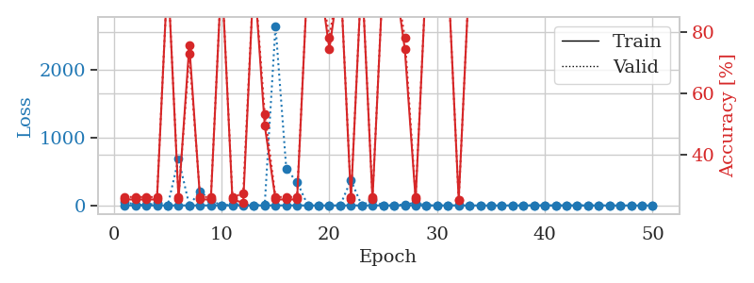
0.10322430163 | 2.3501117592 | 0.74456521739 | 0.78260869565 | 2.4074709415 | 74.456521739 | 78.260869565
0.092762894686 | 196.01061017 | 0.2527173913 | 0.26086956522 | 2.4208192825 | 25.27173913 | 26.086956522
0.36856351388 | 282.1673385 | 0.2527173913 | 0.26086956522 | 2.40787673 | 25.27173913 | 26.086956522
0.31256328539 | 5.9964270799 | 0.2527173913 | 0.26086956522 | 2.4158637524 | 25.27173913 | 26.086956522
0.25383294752 | 2.9776910129 | 0.5027173913 | 0.51086956522 | 2.4198503494 | 50.27173913 | 51.086956522
0.20471012511 | 3.2945925775 | 0.2527173913 | 0.26086956522 | 2.4078044891 | 25.27173913 | 26.086956522
0.048065344515 | 0.068014169193 | 1 | 1 | 2.4098081589 | 100 | 100
0.36392031346 | 5.4876076864 | 0.2527173913 | 0.26086956522 | 2.4083921909 | 25.27173913 | 26.086956522
0.17454808546 | 9.0624256549 | 0.2527173913 | 0.26086956522 | 2.4072320461 | 25.27173913 | 26.086956522
0.24969851631 | 9.7122563901 | 0.2527173913 | 0.26086956522 | 2.410172224 | 25.27173913 | 26.086956522
0.28431578592 | 4.9197896149 | 0.2527173913 | 0.26086956522 | 2.4160625935 | 25.27173913 | 26.086956522
0.10071137045 | 5.9489134706 | 0.74456521739 | 0.78260869565 | 2.4233577251 | 74.456521739 | 78.260869565
0.19563839803 | 5.4358887258 | 0.2527173913 | 0.26086956522 | 2.4187374115 | 25.27173913 | 26.086956522
0.26938294476 | 4.6691262722 | 0.2527173913 | 0.26086956522 | 2.4257516861 | 25.27173913 | 26.086956522
0.21359947457 | 7.6281645194 | 0.2527173913 | 0.26086956522 | 2.4101068974 | 25.27173913 | 26.086956522
0.12718325438 | 5.4316983223 | 0.2527173913 | 0.26086956522 | 2.4160377979 | 25.27173913 | 26.086956522
0.15258767333 | 4.0039228253 | 0.50815217391 | 0.47826086957 | 2.4136903286 | 50.815217391 | 47.826086957
0.13232262707 | 1.686591309 | 0.2527173913 | 0.26086956522 | 2.4267902374 | 25.27173913 | 26.086956522
0.067803020387 | 1.3257701138 | 0.50815217391 | 0.47826086957 | 2.4184269905 | 50.815217391 | 47.826086957
0.073406114688 | 6.2036825885 | 0.2527173913 | 0.26086956522 | 2.4172022343 | 25.27173913 | 26.086956522
0.042911753509 | 7.8055208455 | 0.2527173913 | 0.26086956522 | 2.4139082432 | 25.27173913 | 26.086956522
0.092164769657 | 12.845486641 | 0.74456521739 | 0.78260869565 | 2.4228816032 | 74.456521739 | 78.260869565
0.11410393119 | 5.1052441182 | 0.2527173913 | 0.26086956522 | 2.3971207142 | 25.27173913 | 26.086956522
0.076525307346 | 3.2365614435 | 0.2527173913 | 0.26086956522 | 2.4078419209 | 25.27173913 | 26.086956522
0.019909694902 | 0.0048468493573 | 1 | 1 | 2.411226511 | 100 | 100
0.031047315876 | 3.9477762969 | 0.2527173913 | 0.26086956522 | 2.4087612629 | 25.27173913 | 26.086956522
0.017473996695 | 5.7331653263 | 0.2527173913 | 0.26086956522 | 2.4032287598 | 25.27173913 | 26.086956522
0.052639973388 | 23.934748111 | 0.2527173913 | 0.26086956522 | 2.4141352177 | 25.27173913 | 26.086956522
0.021454593767 | 38.049161331 | 0.2527173913 | 0.26086956522 | 2.4066522121 | 25.27173913 | 26.086956522
0.014467147199 | 36.337948509 | 0.2527173913 | 0.26086956522 | 2.4215815067 | 25.27173913 | 26.086956522
0.038478915605 | 53.333986863 | 0.2527173913 | 0.26086956522 | 2.4133598804 | 25.27173913 | 26.086956522
0.058429963082 | 38.533775495 | 0.2527173913 | 0.26086956522 | 2.4323017597 | 25.27173913 | 26.086956522
0.0091773357961 | 28.179470228 | 0.2527173913 | 0.26086956522 | 2.4240574837 | 25.27173913 | 26.086956522
0.02118695704 | 22.460904329 | 0.2527173913 | 0.26086956522 | 2.4250280857 | 25.27173913 | 26.086956522
0.013210345872 | 19.390982006 | 0.2527173913 | 0.26086956522 | 2.4224603176 | 25.27173913 | 26.086956522
0.0072994812736 | 0.025990008012 | 1 | 1 | 2.418047905 | 100 | 100
0.019519770067 | 10.748392478 | 0.2527173913 | 0.26086956522 | 2.4440257549 | 25.27173913 | 26.086956522
0.012197081167 | 0.043619765698 | 1 | 1 | 2.4128232002 | 100 | 100
0.0044435672892 | 0.0012940060621 | 1 | 1 | 2.4324822426 | 100 | 100
0.0093234364682 | 0.016013712096 | 1 | 1 | 2.3987421989 | 100 | 100
0.006083290619 | 0.00048312320217 | 1 | 1 | 2.3997113705 | 100 | 100
0.0075486471646 | 0.0036707211934 | 1 | 1 | 2.4153115749 | 100 | 100
0.0045796738452 | 0.00064548531183 | 1 | 1 | 2.4085905552 | 100 | 100
0.034075184913 | 0.00056715310379 | 1 | 1 | 2.4056749344 | 100 | 100
0.021139191953 | 0.00065490897016 | 1 | 1 | 2.4310703278 | 100 | 100
0.0058593406145 | 0.00055040838197 | 1 | 1 | 2.4474403858 | 100 | 100
0.023841302887 | 0.00059547986451 | 1 | 1 | 2.4143292904 | 100 | 100
0.0065663641195 | 0.00058662723092 | 1 | 1 | 2.4296357632 | 100 | 100

Best Val accuracy is 1.0 and Best test accuracy is 1.0

Sheet3
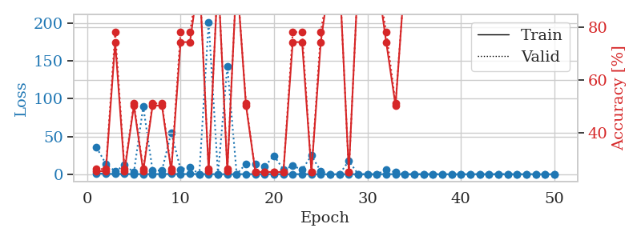
train_loss | valid_loss | train_accuracy | valid_accuracy | dur | train_misclass | valid_misclass
0.90570944029 | 0.62655122384 | 0.75 | 0.75 | 1.151699543 | 75 | 75
0.52766597336 | 6.5598179983 | 0.2527173913 | 0.26086956522 | 1.1486949921 | 25.27173913 | 26.086956522
0.27353428822 | 13.303448594 | 0.25543478261 | 0.21739130435 | 1.1466810703 | 25.543478261 | 21.739130435
0.27344496078 | 18.55300837 | 0.2527173913 | 0.26086956522 | 1.1469068527 | 25.27173913 | 26.086956522
0.40258531904 | 1.7116969565 | 0.50815217391 | 0.47826086957 | 1.1466634274 | 50.815217391 | 47.826086957
0.41676127076 | 7.7517643597 | 0.2527173913 | 0.26086956522 | 1.146851778 | 25.27173913 | 26.086956522
0.14752281352 | 0.65277699414 | 0.75815217391 | 0.72826086957 | 1.1463487148 | 75.815217391 | 72.826086957
0.10368004628 | 0.23480370252 | 0.75815217391 | 0.72826086957 | 1.1464138031 | 75.815217391 | 72.826086957
0.22097403422 | 0.0672500519 | 1 | 1 | 1.1464293003 | 100 | 100
0.12202702104 | 0.43806945241 | 0.75815217391 | 0.72826086957 | 1.1489608288 | 75.815217391 | 72.826086957
0.24950850289 | 0.45523073881 | 0.75815217391 | 0.72826086957 | 1.1467349529 | 75.815217391 | 72.826086957
0.08026294388 | 0.031755607737 | 1 | 1 | 1.1464397907 | 100 | 100
0.48073032361 | 0.78977761839 | 0.50815217391 | 0.47826086957 | 1.1465554237 | 50.815217391 | 47.826086957
0.081919534355 | 0.016336119207 | 1 | 1 | 1.1470112801 | 100 | 100
0.063097755597 | 0.022728256962 | 1 | 1 | 1.1467630863 | 100 | 100
0.074134852479 | 0.036492406188 | 1 | 1 | 1.1467311382 | 100 | 100
0.072351999712 | 0.071313485017 | 1 | 1 | 1.1459233761 | 100 | 100
0.2710971065 | 0.1531669355 | 1 | 1 | 1.1469428539 | 100 | 100
0.36279464776 | 2.8203158586 | 0.50815217391 | 0.47826086957 | 1.1463713646 | 50.815217391 | 47.826086957
0.28195815025 | 3.3871847547 | 0.50815217391 | 0.47826086957 | 1.1464745998 | 50.815217391 | 47.826086957
0.035836164273 | 0.18208061547 | 1 | 1 | 1.1467144489 | 100 | 100
0.15557574345 | 3.1200695142 | 0.50815217391 | 0.47826086957 | 1.1468276978 | 50.815217391 | 47.826086957
0.018650575733 | 0.0612546327 | 1 | 1 | 1.1469504833 | 100 | 100
0.1591129902 | 0.1991096884 | 1 | 1 | 1.1468663216 | 100 | 100
0.077829458862 | 1.5449018789 | 0.75815217391 | 0.72826086957 | 1.1468238831 | 75.815217391 | 72.826086957
0.057416413911 | 0.088715039194 | 1 | 1 | 1.1466994286 | 100 | 100
0.04807939345 | 0.15001041475 | 1 | 1 | 1.1472730637 | 100 | 100
0.03681221454 | 0.013414854103 | 1 | 1 | 1.1466271877 | 100 | 100
0.10397572032 | 0.010124936356 | 1 | 1 | 1.146664381 | 100 | 100
0.072606821575 | 0.10636845361 | 1 | 1 | 1.146728754 | 100 | 100
0.10235195721 | 0.71392072025 | 0.50815217391 | 0.47826086957 | 1.1470603943 | 50.815217391 | 47.826086957
0.044340692309 | 0.4246043822 | 0.75 | 0.75 | 1.1477515697 | 75 | 75
0.039481889649 | 0.18139078565 | 1 | 1 | 1.1471247673 | 100 | 100
0.013071604567 | 0.009576901672 | 1 | 1 | 1.1474149227 | 100 | 100
0.029741803202 | 0.015221448372 | 1 | 1 | 1.1469659805 | 100 | 100
0.03956591713 | 0.13468205961 | 1 | 1 | 1.1471605301 | 100 | 100
0.033759597648 | 0.0055378209192 | 1 | 1 | 1.1503801346 | 100 | 100
0.02716842251 | 0.0014783941543 | 1 | 1 | 1.1540327072 | 100 | 100
0.055495928867 | 0.28415683171 | 0.75 | 0.75 | 1.1511654854 | 75 | 75
0.026929010485 | 0.0017056855495 | 1 | 1 | 1.1532840729 | 100 | 100
0.035789697117 | 0.0019386148526 | 1 | 1 | 1.1537077427 | 100 | 100
0.014316616527 | 0.0013170533652 | 1 | 1 | 1.1540782452 | 100 | 100
0.0074039753299 | 0.00079713905807 | 1 | 1 | 1.1538438797 | 100 | 100
0.015543804727 | 0.00091140368528 | 1 | 1 | 1.1540215015 | 100 | 100
0.0093468928446 | 0.00076080503135 | 1 | 1 | 1.1535670757 | 100 | 100
0.016359562695 | 0.00099557355228 | 1 | 1 | 1.1541521549 | 100 | 100
0.039832782377 | 0.0010495524216 | 1 | 1 | 1.1541643143 | 100 | 100
0.0051665337194 | 0.00083358186226 | 1 | 1 | 1.153809309 | 100 | 100
0.01874226573 | 0.00071076252852 | 1 | 1 | 1.1545810699 | 100 | 100
0.020511437 | 0.00088679706728 | 1 | 1 | 1.1535327435 | 100 | 100

Best Val accuracy is 1.0 and Best test accuracy is 1.0
train_loss | valid_loss | train_accuracy | valid_accuracy | dur | train_misclass | valid_misclass
1.0004815019 | 35.316687045 | 0.2527173913 | 0.26086956522 | 2.4304277897 | 25.27173913 | 26.086956522
0.53180003684 | 13.900180029 | 0.2527173913 | 0.26086956522 | 2.406979084 | 25.27173913 | 26.086956522
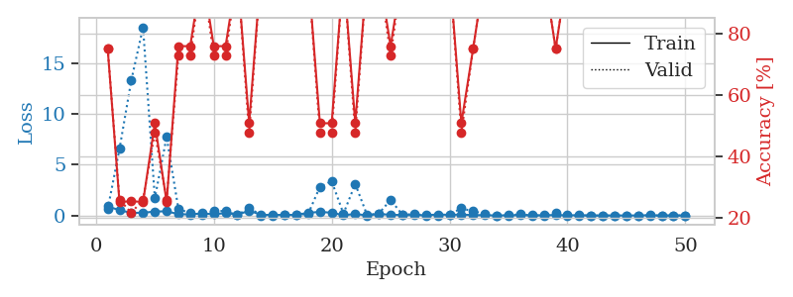
0.26517402138 | 3.7543746596 | 0.74456521739 | 0.78260869565 | 2.4052035809 | 74.456521739 | 78.260869565
0.25580940768 | 12.100751752 | 0.2527173913 | 0.26086956522 | 2.4268569946 | 25.27173913 | 26.086956522
0.14431023873 | 2.6580928512 | 0.5027173913 | 0.51086956522 | 2.4100725651 | 50.27173913 | 51.086956522
0.16251629085 | 89.569566478 | 0.2527173913 | 0.26086956522 | 2.4160327911 | 25.27173913 | 26.086956522
0.14916605903 | 4.8764074471 | 0.5027173913 | 0.51086956522 | 2.3998329639 | 50.27173913 | 51.086956522
0.22796063174 | 4.8973963364 | 0.5027173913 | 0.51086956522 | 2.4174640179 | 50.27173913 | 51.086956522
0.34415476802 | 55.253200365 | 0.2527173913 | 0.26086956522 | 2.4231331348 | 25.27173913 | 26.086956522
0.087893904349 | 6.3054818692 | 0.74456521739 | 0.78260869565 | 2.4358878136 | 74.456521739 | 78.260869565
0.35248558737 | 9.2452360029 | 0.74456521739 | 0.78260869565 | 2.4176728725 | 74.456521739 | 78.260869565
0.19463123284 | 0.052424153556 | 1 | 1 | 2.4399394989 | 100 | 100
0.18957306513 | 201.50890384 | 0.2527173913 | 0.26086956522 | 2.4376688004 | 25.27173913 | 26.086956522
0.040479401137 | 0.031117563905 | 1 | 1 | 2.419781208 | 100 | 100
0.090588717499 | 142.85301739 | 0.2527173913 | 0.26086956522 | 2.4129679203 | 25.27173913 | 26.086956522
0.028990317556 | 0.0060598713184 | 1 | 1 | 2.4024164677 | 100 | 100
0.14703207476 | 13.926541411 | 0.5027173913 | 0.51086956522 | 2.3972907066 | 50.27173913 | 51.086956522
0.1470987042 | 13.823595337 | 0.25 | 0.25 | 2.4283306599 | 25 | 25
0.061524385204 | 10.271466297 | 0.25 | 0.25 | 2.4262325764 | 25 | 25
0.090827690359 | 24.578730708 | 0.25 | 0.25 | 2.411875248 | 25 | 25
0.01343902571 | 5.9827851627 | 0.25 | 0.25 | 2.412270546 | 25 | 25
0.055360904141 | 11.037723334 | 0.74456521739 | 0.78260869565 | 2.4214720726 | 74.456521739 | 78.260869565
0.11376844278 | 6.0044392917 | 0.74456521739 | 0.78260869565 | 2.4201815128 | 74.456521739 | 78.260869565
0.058528519317 | 24.660590628 | 0.25 | 0.25 | 2.4186398983 | 25 | 25
0.064097972359 | 3.9812200795 | 0.74456521739 | 0.78260869565 | 2.3964393139 | 74.456521739 | 78.260869565
0.017264902759 | 0.0091283256593 | 1 | 1 | 2.4009153843 | 100 | 100
0.0070535865721 | 0.00091702842316 | 1 | 1 | 2.4076561928 | 100 | 100
0.12307949905 | 17.643619703 | 0.25 | 0.25 | 2.4210991859 | 25 | 25
0.012477344695 | 0.00082143149136 | 1 | 1 | 2.3953154087 | 100 | 100
0.0024805077277 | 0.00021400315239 | 1 | 1 | 2.3999304771 | 100 | 100
0.0034766293355 | 0.00018676619473 | 1 | 1 | 2.3963897228 | 100 | 100
0.13304057262 | 5.7972029396 | 0.74456521739 | 0.78260869565 | 2.3935251236 | 74.456521739 | 78.260869565
0.024776738766 | 2.6801512241 | 0.5027173913 | 0.51086956522 | 2.407538414 | 50.27173913 | 51.086956522
0.027597722729 | 0.00038706842157 | 1 | 1 | 2.4163732529 | 100 | 100
0.0031534950983 | 0.00023199418944 | 1 | 1 | 2.4031567574 | 100 | 100
0.012731478941 | 0.0015332976397 | 1 | 1 | 2.3899533749 | 100 | 100
0.0044307937819 | 0.00019417720614 | 1 | 1 | 2.4030911922 | 100 | 100
0.0066057193889 | 0.00018129873902 | 1 | 1 | 2.3999347687 | 100 | 100
0.0027521308398 | 0.00016266906681 | 1 | 1 | 2.4010841846 | 100 | 100
0.055827893968 | 0.0011039870594 | 1 | 1 | 2.4403479099 | 100 | 100
0.0089087897378 | 0.00046321935952 | 1 | 1 | 2.4354650974 | 100 | 100
0.11839427139 | 0.00021867392048 | 1 | 1 | 2.4212968349 | 100 | 100
0.0087870087154 | 0.00023955511278 | 1 | 1 | 2.423807621 | 100 | 100
0.045926824313 | 0.00028768406153 | 1 | 1 | 2.4136424065 | 100 | 100
0.016638749524 | 0.00047027705612 | 1 | 1 | 2.4225342274 | 100 | 100
0.0022817756851 | 0.0002085868106 | 1 | 1 | 2.4066298008 | 100 | 100
0.0032809588169 | 0.00023049439061 | 1 | 1 | 2.418191433 | 100 | 100
0.20350290208 | 0.00021264855952 | 1 | 1 | 2.4132208824 | 100 | 100
0.00096400288211 | 0.00025266024497 | 1 | 1 | 2.4066340923 | 100 | 100
0.0028163450371 | 0.00016392348208 | 1 | 1 | 2.4095368385 | 100 | 100

Best Val accuracy is 1.0 and Best test accuracy is 1.0

Sheet4
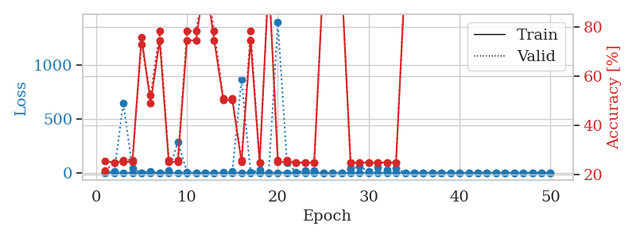
train_loss | valid_loss | train_accuracy | valid_accuracy | dur | train_misclass | valid_misclass
1.0916179108 | 78.863160838 | 0.2527173913 | 0.26086956522 | 1.148884058 | 25.27173913 | 26.086956522
0.53635627485 | 17.169275864 | 0.2527173913 | 0.26086956522 | 1.1475834846 | 25.27173913 | 26.086956522
0.35890729725 | 151.68793123 | 0.2527173913 | 0.26086956522 | 1.1451015472 | 25.27173913 | 26.086956522
0.34650438781 | 295.86658378 | 0.2527173913 | 0.26086956522 | 1.1459405422 | 25.27173913 | 26.086956522
0.23046913508 | 0.64106324574 | 0.75815217391 | 0.72826086957 | 1.1449410915 | 75.815217391 | 72.826086957
0.30091536928 | 3.903106223 | 0.5027173913 | 0.51086956522 | 1.1475129128 | 50.27173913 | 51.086956522
0.058785068641 | 0.014158008701 | 1 | 1 | 1.1451482773 | 100 | 100
0.060744046011 | 11.42387075 | 0.25 | 0.25 | 1.1472814083 | 25 | 25
0.044136728869 | 0.053900844701 | 1 | 1 | 1.1453413963 | 100 | 100
0.03474440951 | 0.0015030392172 | 1 | 1 | 1.1450157166 | 100 | 100
0.042465770815 | 71.660809061 | 0.2527173913 | 0.26086956522 | 1.1452205181 | 25.27173913 | 26.086956522
0.20627531057 | 493.08637403 | 0.2527173913 | 0.26086956522 | 1.1462564468 | 25.27173913 | 26.086956522
0.23266321 | 0.94641543212 | 0.5027173913 | 0.51086956522 | 1.1452190876 | 50.27173913 | 51.086956522
0.14081932785 | 0.047597051153 | 1 | 1 | 1.1451182365 | 100 | 100
0.14460966878 | 0.22686649146 | 1 | 1 | 1.1451992989 | 100 | 100
0.24183618418 | 0.53886498705 | 0.75815217391 | 0.72826086957 | 1.1458165646 | 75.815217391 | 72.826086957
0.077780437069 | 12.229052502 | 0.5027173913 | 0.51086956522 | 1.1456153393 | 50.27173913 | 51.086956522
0.13264910683 | 4.0551694061 | 0.74456521739 | 0.78260869565 | 1.1452364922 | 74.456521739 | 78.260869565
0.052936382551 | 10.304124542 | 0.49184782609 | 0.52173913043 | 1.144865036 | 49.184782609 | 52.173913043
0.17548478119 | 0.56546024784 | 0.74456521739 | 0.78260869565 | 1.1457591057 | 74.456521739 | 78.260869565
0.32707996767 | 10.32812216 | 0.74456521739 | 0.78260869565 | 1.1452975273 | 74.456521739 | 78.260869565
0.040352045832 | 3.631316921 | 0.74456521739 | 0.78260869565 | 1.145029068 | 74.456521739 | 78.260869565
0.096612541916 | 11.657706427 | 0.25 | 0.25 | 1.1447269917 | 25 | 25
0.026526546546 | 0.38839652227 | 0.74456521739 | 0.78260869565 | 1.1452686787 | 74.456521739 | 78.260869565
0.020371461252 | 3.9965443404 | 0.5027173913 | 0.51086956522 | 1.1461653709 | 50.27173913 | 51.086956522
0.030022145811 | 0.80224857641 | 0.74456521739 | 0.78260869565 | 1.1450898647 | 74.456521739 | 78.260869565
0.044019149945 | 13.266627643 | 0.25 | 0.25 | 1.1468446255 | 25 | 25
0.47124479561 | 20.080946466 | 0.2527173913 | 0.26086956522 | 1.1454184055 | 25.27173913 | 26.086956522
0.089487662276 | 4.2466207069 | 0.74456521739 | 0.78260869565 | 1.1457955837 | 74.456521739 | 78.260869565
0.060317580062 | 10.080566448 | 0.25 | 0.25 | 1.1462128162 | 25 | 25
0.1233009419 | 12.076890241 | 0.49456521739 | 0.53260869565 | 1.1465890408 | 49.456521739 | 53.260869565
0.026466519612 | 0.002161601204 | 1 | 1 | 1.1490416527 | 100 | 100
0.042335786199 | 0.012738749749 | 1 | 1 | 1.1495296955 | 100 | 100
0.029395118098 | 0.60082470852 | 0.75815217391 | 0.72826086957 | 1.1519975662 | 75.815217391 | 72.826086957
0.01657653927 | 0.0059039817273 | 1 | 1 | 1.1528894901 | 100 | 100
0.13673300783 | 1.4797987471 | 0.49184782609 | 0.52173913043 | 1.1511907578 | 49.184782609 | 52.173913043
0.043833161094 | 0.010954055976 | 1 | 1 | 1.1521189213 | 100 | 100
0.022388163903 | 0.026948517755 | 1 | 1 | 1.1521084309 | 100 | 100
0.016396475915 | 0.0018924168898 | 1 | 1 | 1.1516926289 | 100 | 100
0.0038358782641 | 0.0013427622161 | 1 | 1 | 1.152649641 | 100 | 100
0.0102942473 | 0.0012431776242 | 1 | 1 | 1.1520910263 | 100 | 100
0.0061148930842 | 0.0016396755666 | 1 | 1 | 1.1525359154 | 100 | 100
0.028614847774 | 0.001016779327 | 1 | 1 | 1.1520953178 | 100 | 100
0.016130197097 | 0.00115678138 | 1 | 1 | 1.1513466835 | 100 | 100
0.0049084532568 | 0.0011431048422 | 1 | 1 | 1.1520657539 | 100 | 100
0.028485961231 | 0.0011098426311 | 1 | 1 | 1.1527371407 | 100 | 100
0.0067870839519 | 0.0011707060849 | 1 | 1 | 1.152973175 | 100 | 100
0.084686640498 | 0.0013339862116 | 1 | 1 | 1.1518037319 | 100 | 100
0.032172327757 | 0.0010342495415 | 1 | 1 | 1.15229249 | 100 | 100
0.074543865489 | 0.0012268259281 | 1 | 1 | 1.1523308754 | 100 | 100

Best Val accuracy is 1.0 and Best test accuracy is 1.0
train_loss | valid_loss | train_accuracy | valid_accuracy | dur | train_misclass | valid_misclass
0.87258184863 | 1.8592123415 | 0.25543478261 | 0.21739130435 | 2.4113903046 | 25.543478261 | 21.739130435
0.43162239829 | 12.205619314 | 0.25 | 0.25 | 2.430570364 | 25 | 25
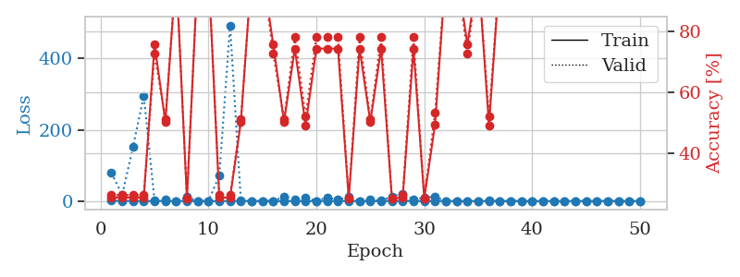
0.28891195729 | 648.07884946 | 0.2527173913 | 0.26086956522 | 2.4169361591 | 25.27173913 | 26.086956522
0.24764680506 | 38.959118387 | 0.2527173913 | 0.26086956522 | 2.4077069759 | 25.27173913 | 26.086956522
0.080779454003 | 0.60044879499 | 0.75815217391 | 0.72826086957 | 2.4188666344 | 75.815217391 | 72.826086957
0.067247371959 | 10.834108228 | 0.49184782609 | 0.52173913043 | 2.4182782173 | 49.184782609 | 52.173913043
0.095901732738 | 0.69015693405 | 0.74456521739 | 0.78260869565 | 2.4032180309 | 74.456521739 | 78.260869565
0.41436289194 | 19.097911918 | 0.2527173913 | 0.26086956522 | 2.396625042 | 25.27173913 | 26.086956522
0.35052172678 | 285.93201082 | 0.2527173913 | 0.26086956522 | 2.4067173004 | 25.27173913 | 26.086956522
0.40085051508 | 6.6899466722 | 0.74456521739 | 0.78260869565 | 2.4137427807 | 74.456521739 | 78.260869565
0.03133961159 | 0.22921494621 | 0.74456521739 | 0.78260869565 | 2.3994853497 | 74.456521739 | 78.260869565
0.019030498245 | 0.002602261724 | 1 | 1 | 2.4048030376 | 100 | 100
0.03616135988 | 0.4495189773 | 0.74456521739 | 0.78260869565 | 2.4133439064 | 74.456521739 | 78.260869565
0.04845828234 | 5.5743241103 | 0.5027173913 | 0.51086956522 | 2.404542923 | 50.27173913 | 51.086956522
0.070471293298 | 11.45522553 | 0.5027173913 | 0.51086956522 | 2.4013326168 | 50.27173913 | 51.086956522
0.085548081273 | 867.12904159 | 0.2527173913 | 0.26086956522 | 2.4147205353 | 25.27173913 | 26.086956522
0.14734003646 | 3.6346714497 | 0.74456521739 | 0.78260869565 | 2.4008152485 | 74.456521739 | 78.260869565
0.055221325126 | 26.358562884 | 0.25 | 0.25 | 2.4320118427 | 25 | 25
0.04789883242 | 0.013610867055 | 1 | 1 | 2.415763855 | 100 | 100
0.40669485552 | 1405.5543107 | 0.2527173913 | 0.26086956522 | 2.4294300079 | 25.27173913 | 26.086956522
0.10389602091 | 96.097785286 | 0.2527173913 | 0.26086956522 | 2.4113631248 | 25.27173913 | 26.086956522
0.031743517596 | 6.2524767959 | 0.25 | 0.25 | 2.4036326408 | 25 | 25
0.12283071993 | 20.263380299 | 0.25 | 0.25 | 2.4170949459 | 25 | 25
0.063558106994 | 18.760313863 | 0.25 | 0.25 | 2.4239284992 | 25 | 25
0.0058100979962 | 0.020165799267 | 1 | 1 | 2.4083197117 | 100 | 100
0.0035781348529 | 0.00072362560161 | 1 | 1 | 2.4190788269 | 100 | 100
0.0056016371869 | 0.0018126544917 | 1 | 1 | 2.4213151932 | 100 | 100
0.13064814768 | 40.626400657 | 0.25 | 0.25 | 2.4306938648 | 25 | 25
0.024031257459 | 56.5157683 | 0.25 | 0.25 | 2.4276697636 | 25 | 25
0.12436438845 | 14.307179202 | 0.25 | 0.25 | 2.4197568893 | 25 | 25
0.11826238535 | 46.906016474 | 0.25 | 0.25 | 2.4414162636 | 25 | 25
0.053204065753 | 27.12300143 | 0.25 | 0.25 | 2.4260938168 | 25 | 25
0.13007510202 | 40.235648943 | 0.25 | 0.25 | 2.4287962914 | 25 | 25
0.0066132077583 | 0.097718486643 | 1 | 1 | 2.418399334 | 100 | 100
0.0064975048172 | 0.0090994940787 | 1 | 1 | 2.4023864269 | 100 | 100
0.0085868538211 | 0.001026405672 | 1 | 1 | 2.4166693687 | 100 | 100
0.0071043501578 | 0.0013912918385 | 1 | 1 | 2.4237356186 | 100 | 100
0.0034656095263 | 0.00079780668476 | 1 | 1 | 2.4208734035 | 100 | 100
0.0066895995077 | 0.00085823373798 | 1 | 1 | 2.4224989414 | 100 | 100
0.0074316817665 | 0.014851283485 | 1 | 1 | 2.4080908298 | 100 | 100
0.011307604183 | 0.00077204791191 | 1 | 1 | 2.4239194393 | 100 | 100
0.003520414547 | 0.00062637446504 | 1 | 1 | 2.418514967 | 100 | 100
0.0010435663963 | 0.00062920567807 | 1 | 1 | 2.4085021019 | 100 | 100
0.0025767222016 | 0.00066847014418 | 1 | 1 | 2.4221720695 | 100 | 100
0.0016449313388 | 0.00066591565796 | 1 | 1 | 2.4227435589 | 100 | 100
0.0024690877763 | 0.00065316225063 | 1 | 1 | 2.4198460579 | 100 | 100
0.0040140891797 | 0.00061789474895 | 1 | 1 | 2.4125716686 | 100 | 100
0.0010024564639 | 0.00063895766811 | 1 | 1 | 2.4077591896 | 100 | 100
0.0015992422907 | 0.00062322373117 | 1 | 1 | 2.41939044 | 100 | 100
0.0025398134072 | 0.00065051258096 | 1 | 1 | 2.411182642 | 100 | 100

Best Val accuracy is 1.0 and Best test accuracy is 1.0

Sheet5
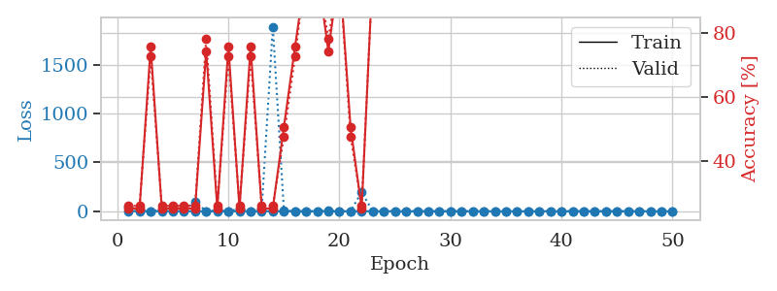
train_loss | valid_loss | train_accuracy | valid_accuracy | dur | train_misclass | valid_misclass
0.96973344036 | 14.755600183 | 0.2527173913 | 0.26086956522 | 1.1491456032 | 25.27173913 | 26.086956522
0.43945850238 | 7.2924874555 | 0.2527173913 | 0.26086956522 | 1.1484694481 | 25.27173913 | 26.086956522
0.58664963751 | 3.8671256148 | 0.25543478261 | 0.21739130435 | 1.1461210251 | 25.543478261 | 21.739130435
0.33224895856 | 2.068228618 | 0.4972826087 | 0.48913043478 | 1.1464488506 | 49.72826087 | 48.913043478
0.32181445023 | 0.93654215336 | 0.75 | 0.75 | 1.1487224102 | 75 | 75
0.36797440748 | 7.6615118566 | 0.50815217391 | 0.47826086957 | 1.1488993168 | 50.815217391 | 47.826086957
0.22164229968 | 1.4226766203 | 0.50815217391 | 0.47826086957 | 1.1475358009 | 50.815217391 | 47.826086957
0.18561923374 | 1.1574304881 | 0.4972826087 | 0.48913043478 | 1.1464855671 | 49.72826087 | 48.913043478
0.38447093543 | 19.808560413 | 0.2527173913 | 0.26086956522 | 1.1470193863 | 25.27173913 | 26.086956522
0.22583819181 | 9.6485923684 | 0.2527173913 | 0.26086956522 | 1.1468484402 | 25.27173913 | 26.086956522
0.2745607352 | 0.060918941284 | 1 | 1 | 1.1463255882 | 100 | 100
0.26380012395 | 0.16961341384 | 1 | 1 | 1.1483590603 | 100 | 100
0.25489515034 | 11.857095304 | 0.2527173913 | 0.26086956522 | 1.1468756199 | 25.27173913 | 26.086956522
0.20650263066 | 40.40155162 | 0.2527173913 | 0.26086956522 | 1.146951437 | 25.27173913 | 26.086956522
0.23831333722 | 0.26514891373 | 0.75815217391 | 0.72826086957 | 1.146771431 | 75.815217391 | 72.826086957
0.10586310611 | 0.24387975231 | 0.75815217391 | 0.72826086957 | 1.1470701694 | 75.815217391 | 72.826086957
0.20245703083 | 0.58073463906 | 0.7472826087 | 0.73913043478 | 1.1461179256 | 74.72826087 | 73.913043478
0.51639031489 | 2.5605238572 | 0.50815217391 | 0.47826086957 | 1.1468741894 | 50.815217391 | 47.826086957
0.41260180007 | 0.19822827953 | 1 | 1 | 1.1465454102 | 100 | 100
0.28277067289 | 0.32766053081 | 0.7472826087 | 0.73913043478 | 1.1467032433 | 74.72826087 | 73.913043478
0.092514400897 | 0.023936390229 | 1 | 1 | 1.1468112469 | 100 | 100
0.06274167011 | 0.0070279532153 | 1 | 1 | 1.1466956139 | 100 | 100
0.12975701572 | 0.0080513770935 | 1 | 1 | 1.1474380493 | 100 | 100
0.1204201602 | 0.0053382867178 | 1 | 1 | 1.1474716663 | 100 | 100
0.08596467415 | 0.0068453217492 | 1 | 1 | 1.1469521523 | 100 | 100
0.23668959472 | 0.019588349873 | 1 | 1 | 1.1467986107 | 100 | 100
0.074418143369 | 0.03082217106 | 1 | 1 | 1.1468303204 | 100 | 100
0.042848133118 | 0.007467173951 | 1 | 1 | 1.1462979317 | 100 | 100
0.12499736506 | 0.020041578692 | 1 | 1 | 1.1471633911 | 100 | 100
0.099976524569 | 0.035333738379 | 1 | 1 | 1.1472542286 | 100 | 100
0.09313456212 | 0.0031943339854 | 1 | 1 | 1.1474459171 | 100 | 100
0.063086700879 | 0.0039927177739 | 1 | 1 | 1.1467480659 | 100 | 100
0.12683257232 | 0.0031304192102 | 1 | 1 | 1.1470856667 | 100 | 100
0.095961273213 | 0.015951994968 | 1 | 1 | 1.1470525265 | 100 | 100
0.028243149853 | 0.0047259961822 | 1 | 1 | 1.1503925323 | 100 | 100
0.087512326407 | 0.012582235484 | 1 | 1 | 1.1539533138 | 100 | 100
0.1410181734 | 0.0060210492178 | 1 | 1 | 1.1526479721 | 100 | 100
0.10627580197 | 0.0043438350093 | 1 | 1 | 1.1536815166 | 100 | 100
0.085190093418 | 0.0034781484257 | 1 | 1 | 1.1542367935 | 100 | 100
0.6285026631 | 0.010740199835 | 1 | 1 | 1.1537663937 | 100 | 100
0.11023078573 | 0.012890009331 | 1 | 1 | 1.1538012028 | 100 | 100
0.046640139681 | 0.0044781121668 | 1 | 1 | 1.1540629864 | 100 | 100
0.09069403514 | 0.0057261719206 | 1 | 1 | 1.1541655064 | 100 | 100
0.13725770219 | 0.0052264612168 | 1 | 1 | 1.1539874077 | 100 | 100
0.13257643761 | 0.0040721796939 | 1 | 1 | 1.1542546749 | 100 | 100
0.052221789146 | 0.0046393144268 | 1 | 1 | 1.1541450024 | 100 | 100
0.059939000654 | 0.0046869071362 | 1 | 1 | 1.154381752 | 100 | 100
0.095898919354 | 0.0049093384903 | 1 | 1 | 1.1542043686 | 100 | 100
0.038276224741 | 0.0045905237329 | 1 | 1 | 1.1531150341 | 100 | 100
0.084844813419 | 0.0051384105185 | 1 | 1 | 1.1538221836 | 100 | 100

Best Val accuracy is 1.0 and Best test accuracy is 1.0
train_loss | valid_loss | train_accuracy | valid_accuracy | dur | train_misclass | valid_misclass
1.0416801079 | 45.844294672 | 0.2527173913 | 0.26086956522 | 2.4227817059 | 25.27173913 | 26.086956522
0.51850259304 | 6.3155333478 | 0.2527173913 | 0.26086956522 | 2.4107663631 | 25.27173913 | 26.086956522
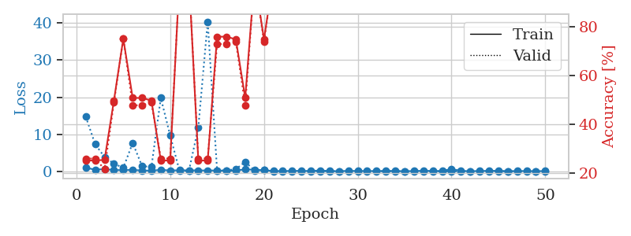
0.3831598681 | 0.34115370978 | 0.75815217391 | 0.72826086957 | 2.4093198776 | 75.815217391 | 72.826086957
0.18337703448 | 13.260614478 | 0.2527173913 | 0.26086956522 | 2.4047563076 | 25.27173913 | 26.086956522
0.2032180878 | 51.111718053 | 0.2527173913 | 0.26086956522 | 2.4075243473 | 25.27173913 | 26.086956522
0.25310575249 | 10.759747132 | 0.2527173913 | 0.26086956522 | 2.4088747501 | 25.27173913 | 26.086956522
0.15408786929 | 96.169997837 | 0.2527173913 | 0.26086956522 | 2.4096901417 | 25.27173913 | 26.086956522
0.12016364418 | 0.47023644136 | 0.74456521739 | 0.78260869565 | 2.4201214314 | 74.456521739 | 78.260869565
0.35898553046 | 6.3731450413 | 0.2527173913 | 0.26086956522 | 2.4061536789 | 25.27173913 | 26.086956522
0.089291311568 | 1.1513556475 | 0.75815217391 | 0.72826086957 | 2.4150564671 | 75.815217391 | 72.826086957
0.14470344547 | 22.499928848 | 0.2527173913 | 0.26086956522 | 2.4282183647 | 25.27173913 | 26.086956522
0.081263096649 | 1.0025800959 | 0.75815217391 | 0.72826086957 | 2.4038674831 | 75.815217391 | 72.826086957
0.10846910611 | 23.278700207 | 0.2527173913 | 0.26086956522 | 2.4165084362 | 25.27173913 | 26.086956522
0.27029289627 | 1888.5463496 | 0.2527173913 | 0.26086956522 | 2.4239299297 | 25.27173913 | 26.086956522
0.31743563157 | 5.420093951 | 0.50815217391 | 0.47826086957 | 2.4233281612 | 50.815217391 | 47.826086957
0.22129960326 | 0.39287517965 | 0.75815217391 | 0.72826086957 | 2.4168612957 | 75.815217391 | 72.826086957
0.069706465644 | 0.048138363044 | 1 | 1 | 2.4155652523 | 100 | 100
0.10351912633 | 0.0024826913343 | 1 | 1 | 2.417391777 | 100 | 100
0.063768037104 | 6.6271700859 | 0.74456521739 | 0.78260869565 | 2.4271221161 | 74.456521739 | 78.260869565
0.1068116692 | 0.010352516101 | 1 | 1 | 2.4185137749 | 100 | 100
0.29900506449 | 1.2855804666 | 0.50815217391 | 0.47826086957 | 2.4126124382 | 50.815217391 | 47.826086957
0.14442222766 | 194.48298778 | 0.2527173913 | 0.26086956522 | 2.3970282078 | 25.27173913 | 26.086956522
0.066568950196 | 0.1127654029 | 1 | 1 | 2.4260804653 | 100 | 100
0.058418713804 | 0.0073289473582 | 1 | 1 | 2.4151918888 | 100 | 100
0.0073874905078 | 0.0020900589475 | 1 | 1 | 2.4078555107 | 100 | 100
0.013449080724 | 0.0023496701868 | 1 | 1 | 2.4106476307 | 100 | 100
0.028426793437 | 0.0037302123585 | 1 | 1 | 2.4102926254 | 100 | 100
0.039810354037 | 0.0013801962664 | 1 | 1 | 2.4064490795 | 100 | 100
0.10581940808 | 0.0016671036593 | 1 | 1 | 2.4101474285 | 100 | 100
0.16363302242 | 0.0063692835241 | 1 | 1 | 2.4086890221 | 100 | 100
0.13405719422 | 0.03180325088 | 1 | 1 | 2.4187343121 | 100 | 100
0.04726712471 | 0.0026173529256 | 1 | 1 | 2.4302692413 | 100 | 100
0.0094052714817 | 0.00077436135768 | 1 | 1 | 2.4123804569 | 100 | 100
0.17260779938 | 0.0014531596452 | 1 | 1 | 2.4181690216 | 100 | 100
0.11539921974 | 0.0022562821294 | 1 | 1 | 2.4021632671 | 100 | 100
0.015189518767 | 0.001369357104 | 1 | 1 | 2.4159045219 | 100 | 100
0.0082072612258 | 0.0010949946363 | 1 | 1 | 2.4275789261 | 100 | 100
0.17483223663 | 0.001019816218 | 1 | 1 | 2.4369466305 | 100 | 100
0.32132168433 | 0.0014452341407 | 1 | 1 | 2.4272036552 | 100 | 100
0.069882727937 | 0.0013842182588 | 1 | 1 | 2.4089865685 | 100 | 100
0.063219942557 | 0.0024691994363 | 1 | 1 | 2.4208037853 | 100 | 100
0.016251956659 | 0.0011944906007 | 1 | 1 | 2.4129793644 | 100 | 100
0.029052724814 | 0.0012561366843 | 1 | 1 | 2.2429025173 | 100 | 100
0.010487691937 | 0.0012536009207 | 1 | 1 | 1.15523839 | 100 | 100
0.16316498752 | 0.0012857143555 | 1 | 1 | 1.1538674831 | 100 | 100
0.068843599343 | 0.0011846927835 | 1 | 1 | 1.1539623737 | 100 | 100
0.14765215325 | 0.0011853421228 | 1 | 1 | 1.1551148891 | 100 | 100
0.0086088242141 | 0.0012173002191 | 1 | 1 | 1.1532847881 | 100 | 100
0.016818491266 | 0.001225106904 | 1 | 1 | 1.1543030739 | 100 | 100
0.097285809415 | 0.0011551958539 | 1 | 1 | 1.1533148289 | 100 | 100

Best Val accuracy is 1.0 and Best test accuracy is 1.0

Sheet6
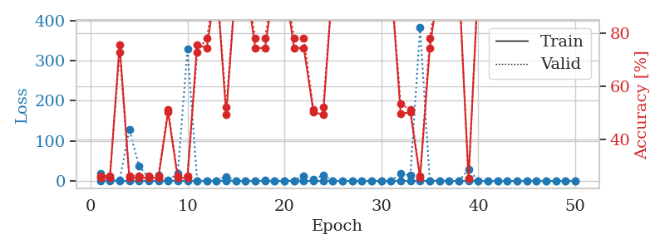
train_loss | valid_loss | train_accuracy | valid_accuracy | dur | train_misclass | valid_misclass
0.89278063826 | 1.9960803156 | 0.25 | 0.25 | 1.1483237743 | 25 | 25
0.30927766827 | 59.905960746 | 0.2527173913 | 0.26086956522 | 1.1486055851 | 25.27173913 | 26.086956522
0.31084277351 | 410.51898459 | 0.2527173913 | 0.26086956522 | 1.148342371 | 25.27173913 | 26.086956522
0.3504937952 | 84.13756694 | 0.2527173913 | 0.26086956522 | 1.1475019455 | 25.27173913 | 26.086956522
0.1885285371 | 3.1849100382 | 0.2527173913 | 0.26086956522 | 1.1464533806 | 25.27173913 | 26.086956522
0.17629998866 | 54.108499278 | 0.2527173913 | 0.26086956522 | 1.1466004848 | 25.27173913 | 26.086956522
0.25214314088 | 1.0801620768 | 0.75815217391 | 0.72826086957 | 1.1463792324 | 75.815217391 | 72.826086957
0.11302074835 | 0.61935112139 | 0.75815217391 | 0.72826086957 | 1.1490108967 | 75.815217391 | 72.826086957
0.31475101869 | 1.1519496596 | 0.50815217391 | 0.47826086957 | 1.1465578079 | 50.815217391 | 47.826086957
0.17841167584 | 174.16207156 | 0.2527173913 | 0.26086956522 | 1.1464252472 | 25.27173913 | 26.086956522
0.18624996511 | 1.4742920502 | 0.75815217391 | 0.72826086957 | 1.1464929581 | 75.815217391 | 72.826086957
0.090719774755 | 264.98044487 | 0.2527173913 | 0.26086956522 | 1.1466577053 | 25.27173913 | 26.086956522
0.045252395399 | 0.44634822141 | 0.75815217391 | 0.72826086957 | 1.1470572948 | 75.815217391 | 72.826086957
0.20473490709 | 6.6552046278 | 0.5027173913 | 0.51086956522 | 1.1469841003 | 50.27173913 | 51.086956522
0.15784965427 | 0.022050003157 | 1 | 1 | 1.1470215321 | 100 | 100
0.05877261131 | 0.012431276922 | 1 | 1 | 1.1491801739 | 100 | 100
0.057166927489 | 0.13173787425 | 1 | 1 | 1.1468884945 | 100 | 100
0.04356253212 | 0.0034616464121 | 1 | 1 | 1.1476786137 | 100 | 100
0.26412230736 | 9.3115235412 | 0.74456521739 | 0.78260869565 | 1.1469826698 | 74.456521739 | 78.260869565
0.4234695157 | 0.078791947468 | 1 | 1 | 1.1478145123 | 100 | 100
0.11543004784 | 0.045465476973 | 1 | 1 | 1.1472349167 | 100 | 100
0.064504455816 | 0.012334513033 | 1 | 1 | 1.146697998 | 100 | 100
0.16936104261 | 0.014631923167 | 1 | 1 | 1.1471972466 | 100 | 100
0.2234771221 | 0.24283468399 | 0.75815217391 | 0.72826086957 | 1.1473062038 | 75.815217391 | 72.826086957
0.24109424525 | 550.27546758 | 0.2527173913 | 0.26086956522 | 1.1477885246 | 25.27173913 | 26.086956522
0.17804449924 | 0.011547354212 | 1 | 1 | 1.1473126411 | 100 | 100
0.19919881317 | 89.843117424 | 0.2527173913 | 0.26086956522 | 1.1482715607 | 25.27173913 | 26.086956522
0.082910299686 | 0.0084414692677 | 1 | 1 | 1.1471982002 | 100 | 100
0.033467805307 | 0.004536418224 | 1 | 1 | 1.1466941833 | 100 | 100
0.14709260201 | 0.0088864538981 | 1 | 1 | 1.1472704411 | 100 | 100
0.10579872546 | 0.0025511213639 | 1 | 1 | 1.1478784084 | 100 | 100
0.015575892009 | 0.0024036644938 | 1 | 1 | 1.1472671032 | 100 | 100
0.017711070548 | 0.0027906733929 | 1 | 1 | 1.1468083858 | 100 | 100
0.016311274917 | 0.0019697486929 | 1 | 1 | 1.1479697227 | 100 | 100
0.041994702213 | 0.0026078461366 | 1 | 1 | 1.1490044594 | 100 | 100
0.013898046685 | 0.0028245415458 | 1 | 1 | 1.1535699368 | 100 | 100
0.12501328485 | 0.0039103524557 | 1 | 1 | 1.153580904 | 100 | 100
0.049591912417 | 0.0017905483407 | 1 | 1 | 1.1535494328 | 100 | 100
0.013187925109 | 0.0014072091005 | 1 | 1 | 1.1533677578 | 100 | 100
0.034890467448 | 0.0013622783489 | 1 | 1 | 1.1539521217 | 100 | 100
0.07070253428 | 0.0017258506572 | 1 | 1 | 1.1535925865 | 100 | 100
0.010746386651 | 0.0015607516727 | 1 | 1 | 1.1539599895 | 100 | 100
0.077834588627 | 0.0013150657558 | 1 | 1 | 1.1535489559 | 100 | 100
0.036458269475 | 0.0014628886761 | 1 | 1 | 1.1536483765 | 100 | 100
0.038675744188 | 0.0016031818738 | 1 | 1 | 1.1538319588 | 100 | 100
0.012208186976 | 0.0016100557885 | 1 | 1 | 1.1538915634 | 100 | 100
0.026667354143 | 0.0016747179704 | 1 | 1 | 1.1548087597 | 100 | 100
0.039817988498 | 0.0015283511223 | 1 | 1 | 1.1541314125 | 100 | 100
0.037784850217 | 0.0020337176975 | 1 | 1 | 1.1534326077 | 100 | 100
0.027752153363 | 0.0014846071996 | 1 | 1 | 1.1538646221 | 100 | 100

Best Val accuracy is 1.0 and Best test accuracy is 1.0
train_loss | valid_loss | train_accuracy | valid_accuracy | dur | train_misclass | valid_misclass
0.99448069541 | 17.856747171 | 0.2527173913 | 0.26086956522 | 1.1547498703 | 25.27173913 | 26.086956522
0.44534000754 | 7.1133962092 | 0.2527173913 | 0.26086956522 | 1.1467006207 | 25.27173913 | 26.086956522
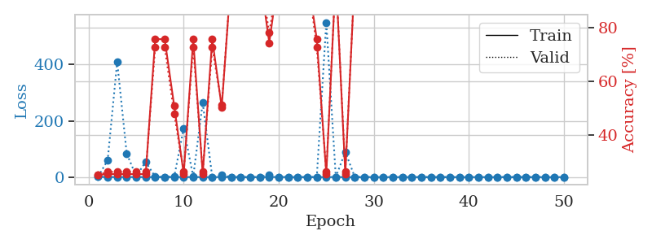
0.25858144624 | 1.4038124473 | 0.75815217391 | 0.72826086957 | 1.1467545033 | 75.815217391 | 72.826086957
0.2764080545 | 128.44827967 | 0.2527173913 | 0.26086956522 | 1.1486260891 | 25.27173913 | 26.086956522
0.25207455894 | 37.366257211 | 0.2527173913 | 0.26086956522 | 1.1473419666 | 25.27173913 | 26.086956522
0.10481766538 | 8.474460664 | 0.2527173913 | 0.26086956522 | 1.1460072994 | 25.27173913 | 26.086956522
0.31352710064 | 14.186309441 | 0.2527173913 | 0.26086956522 | 1.1464262009 | 25.27173913 | 26.086956522
0.073672997158 | 2.5603650083 | 0.5027173913 | 0.51086956522 | 1.1457719803 | 50.27173913 | 51.086956522
0.32440344592 | 17.788670001 | 0.2527173913 | 0.26086956522 | 1.1465754509 | 25.27173913 | 26.086956522
0.24376091191 | 329.7107398 | 0.2527173913 | 0.26086956522 | 1.1481304169 | 25.27173913 | 26.086956522
0.14752981229 | 0.40724336712 | 0.75815217391 | 0.72826086957 | 1.147683382 | 75.815217391 | 72.826086957
0.1134594653 | 0.63655910155 | 0.74456521739 | 0.78260869565 | 1.146705389 | 74.456521739 | 78.260869565
0.12238608078 | 0.0050260813137 | 1 | 1 | 1.1474785805 | 100 | 100
0.14920636161 | 11.07685114 | 0.49184782609 | 0.52173913043 | 1.146897316 | 49.184782609 | 52.173913043
0.065369038519 | 0.052371054726 | 1 | 1 | 1.1470162868 | 100 | 100
0.086312949478 | 0.0051245067228 | 1 | 1 | 1.1460499763 | 100 | 100
0.02224106848 | 0.99983147953 | 0.74456521739 | 0.78260869565 | 1.146528244 | 74.456521739 | 78.260869565
0.16000541781 | 1.2156695179 | 0.74456521739 | 0.78260869565 | 1.1489603519 | 74.456521739 | 78.260869565
0.028731885055 | 0.00090362365439 | 1 | 1 | 1.1488888264 | 100 | 100
0.012081036132 | 0.0011078675541 | 1 | 1 | 1.1465902328 | 100 | 100
0.14137553209 | 0.45584146225 | 0.74456521739 | 0.78260869565 | 1.1454935074 | 74.456521739 | 78.260869565
0.087292955581 | 12.210621917 | 0.74456521739 | 0.78260869565 | 1.1476573944 | 74.456521739 | 78.260869565
0.12524781605 | 4.2744984005 | 0.5027173913 | 0.51086956522 | 1.146933794 | 50.27173913 | 51.086956522
0.043261111486 | 14.19201938 | 0.49184782609 | 0.52173913043 | 1.1507313251 | 49.184782609 | 52.173913043
0.018544467066 | 0.0010406028824 | 1 | 1 | 1.1505377293 | 100 | 100
0.0133811983 | 0.0011300086018 | 1 | 1 | 1.1507222652 | 100 | 100
0.085920063017 | 0.0040698093058 | 1 | 1 | 1.151137352 | 100 | 100
0.11337287794 | 0.027122755899 | 1 | 1 | 1.1517469883 | 100 | 100
0.0226744959 | 0.0006110143782 | 1 | 1 | 1.1510136127 | 100 | 100
0.017104049466 | 0.0010100312571 | 1 | 1 | 1.1516852379 | 100 | 100
0.024140364794 | 0.0011242277105 | 1 | 1 | 1.1517491341 | 100 | 100
0.092922591422 | 18.904806966 | 0.49456521739 | 0.53260869565 | 1.1521601677 | 49.456521739 | 53.260869565
0.05849270755 | 13.528600071 | 0.5027173913 | 0.51086956522 | 1.1519505978 | 50.27173913 | 51.086956522
0.15846096837 | 382.24072664 | 0.2527173913 | 0.26086956522 | 1.1517603397 | 25.27173913 | 26.086956522
0.41542611016 | 0.22906168907 | 0.74456521739 | 0.78260869565 | 1.1505477428 | 74.456521739 | 78.260869565
0.0095565230839 | 0.0012868011532 | 1 | 1 | 1.1521179676 | 100 | 100
0.012759839349 | 0.0010560620424 | 1 | 1 | 1.1511483192 | 100 | 100
0.029079710872 | 0.00082866613925 | 1 | 1 | 1.1517953873 | 100 | 100
0.14882988052 | 28.723984013 | 0.25 | 0.25 | 1.1516821384 | 25 | 25
0.038313754612 | 0.0035309075661 | 1 | 1 | 1.1526002884 | 100 | 100
0.01678635841 | 0.00053241501471 | 1 | 1 | 1.1526222229 | 100 | 100
0.015523094208 | 0.00065244583453 | 1 | 1 | 1.1523456573 | 100 | 100
0.010076032592 | 0.00070072993707 | 1 | 1 | 1.1512019634 | 100 | 100
0.05297134087 | 0.00062853821462 | 1 | 1 | 1.1520657539 | 100 | 100
0.040737574766 | 0.00077251266718 | 1 | 1 | 1.1512923241 | 100 | 100
0.017301624469 | 0.00070248234197 | 1 | 1 | 1.15259552 | 100 | 100
0.0048319839166 | 0.00073033783069 | 1 | 1 | 1.1526329517 | 100 | 100
0.0053942454852 | 0.00086792441257 | 1 | 1 | 1.1524338722 | 100 | 100
0.0065002796068 | 0.00069242757087 | 1 | 1 | 1.1530692577 | 100 | 100
0.0058394197638 | 0.00075994294299 | 1 | 1 | 1.1521575451 | 100 | 100

Best Val accuracy is 1.0 and Best test accuracy is 1.0

Sheet7
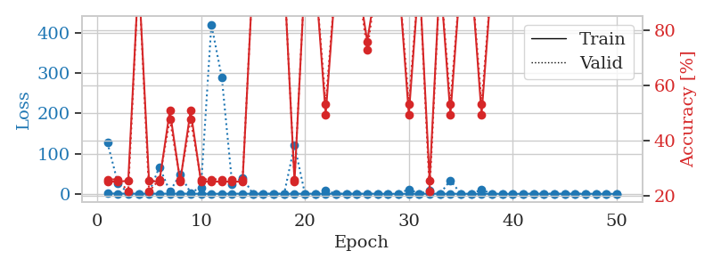
train_loss | valid_loss | train_accuracy | valid_accuracy | dur | train_misclass | valid_misclass
1.0683145108 | 2.8762095596 | 0.25543478261 | 0.21739130435 | 1.1486101151 | 25.543478261 | 21.739130435
0.45818910067 | 9.7686507184 | 0.25543478261 | 0.21739130435 | 1.1490731239 | 25.543478261 | 21.739130435
0.20145161693 | 2.3638077093 | 0.50815217391 | 0.47826086957 | 1.1472005844 | 50.815217391 | 47.826086957
0.24082506561 | 205.10593846 | 0.2527173913 | 0.26086956522 | 1.1486480236 | 25.27173913 | 26.086956522
0.23212138474 | 1.6296491519 | 0.75 | 0.75 | 1.1475896835 | 75 | 75
0.32688122891 | 4.5264273519 | 0.50815217391 | 0.47826086957 | 1.1498916149 | 50.815217391 | 47.826086957
0.27747738353 | 10.780587445 | 0.2527173913 | 0.26086956522 | 1.1474626064 | 25.27173913 | 26.086956522
0.11718358395 | 1.1490268241 | 0.75 | 0.75 | 1.1467974186 | 75 | 75
0.089224983412 | 6.7896843164 | 0.25543478261 | 0.21739130435 | 1.1466891766 | 25.543478261 | 21.739130435
0.1763473255 | 4.703279516 | 0.2527173913 | 0.26086956522 | 1.1473302841 | 25.27173913 | 26.086956522
0.043105252548 | 3.261062394 | 0.75 | 0.75 | 1.1469442844 | 75 | 75
0.32911912143 | 55.017905857 | 0.2527173913 | 0.26086956522 | 1.1468195915 | 25.27173913 | 26.086956522
0.1610572315 | 4.2593692282 | 0.2527173913 | 0.26086956522 | 1.1469039917 | 25.27173913 | 26.086956522
0.020087125499 | 0.05579700985 | 1 | 1 | 1.1466116905 | 100 | 100
0.10920756068 | 0.020225959749 | 1 | 1 | 1.149723053 | 100 | 100
0.03819747998 | 0.36959695298 | 0.75 | 0.75 | 1.146907568 | 75 | 75
0.038477479632 | 0.0046078397326 | 1 | 1 | 1.1471881866 | 100 | 100
0.10427296137 | 0.064965482639 | 1 | 1 | 1.1479952335 | 100 | 100
0.054312964352 | 0.37953024843 | 0.75815217391 | 0.72826086957 | 1.1473045349 | 75.815217391 | 72.826086957
0.15653120633 | 141.36029783 | 0.2527173913 | 0.26086956522 | 1.1472969055 | 25.27173913 | 26.086956522
0.26233353626 | 18.787454273 | 0.2527173913 | 0.26086956522 | 1.1482195854 | 25.27173913 | 26.086956522
0.63930639953 | 4.6293633813 | 0.2527173913 | 0.26086956522 | 1.1476800442 | 25.27173913 | 26.086956522
0.19580061946 | 0.35760636692 | 0.75815217391 | 0.72826086957 | 1.1470649242 | 75.815217391 | 72.826086957
0.19619611879 | 0.81389404898 | 0.75815217391 | 0.72826086957 | 1.1474494934 | 75.815217391 | 72.826086957
0.1519039018 | 0.087425394551 | 1 | 1 | 1.1471140385 | 100 | 100
0.12068941927 | 0.052654279639 | 1 | 1 | 1.1470572948 | 100 | 100
0.080962278058 | 0.0027146271288 | 1 | 1 | 1.1515753269 | 100 | 100
0.015776810915 | 0.0032343706926 | 1 | 1 | 1.1541702747 | 100 | 100
0.019804831488 | 0.0017111096734 | 1 | 1 | 1.15432477 | 100 | 100
0.10239302801 | 0.0011569214732 | 1 | 1 | 1.1535336971 | 100 | 100
0.045755355103 | 0.00082805051478 | 1 | 1 | 1.1534869671 | 100 | 100
0.47921004713 | 0.0044462045493 | 1 | 1 | 1.1520051956 | 100 | 100
0.13192387896 | 0.0054959434328 | 1 | 1 | 1.1536853313 | 100 | 100
0.054436570712 | 0.0040267658339 | 1 | 1 | 1.1544396877 | 100 | 100
0.14159957831 | 0.004495596169 | 1 | 1 | 1.153901577 | 100 | 100
0.052612854806 | 0.0020296935134 | 1 | 1 | 1.1535093784 | 100 | 100
0.035825412994 | 0.0027214302175 | 1 | 1 | 1.1536974907 | 100 | 100
0.02041145568 | 0.0030463926656 | 1 | 1 | 1.1542673111 | 100 | 100
0.015594934764 | 0.0018802002457 | 1 | 1 | 1.153834343 | 100 | 100
0.098691245986 | 0.0017127975437 | 1 | 1 | 1.1543459892 | 100 | 100
0.067115978228 | 0.0018397260801 | 1 | 1 | 1.1543531418 | 100 | 100
0.024803968961 | 0.0010743986805 | 1 | 1 | 1.1539580822 | 100 | 100
0.01970720792 | 0.0015474275797 | 1 | 1 | 1.1536483765 | 100 | 100
0.009599497643 | 0.0013347788228 | 1 | 1 | 1.154091835 | 100 | 100
0.037213243106 | 0.0012836490869 | 1 | 1 | 1.1542904377 | 100 | 100
0.099526083973 | 0.0016251534689 | 1 | 1 | 1.1537976265 | 100 | 100
0.096126054803 | 0.0016307914781 | 1 | 1 | 1.1534841061 | 100 | 100
0.065767445637 | 0.0014279422593 | 1 | 1 | 1.1538643837 | 100 | 100
0.011727827923 | 0.0015050197304 | 1 | 1 | 1.1536104679 | 100 | 100
0.023027205855 | 0.0014687661922 | 1 | 1 | 1.1543087959 | 100 | 100

Best Val accuracy is 1.0 and Best test accuracy is 1.0
train_loss | valid_loss | train_accuracy | valid_accuracy | dur | train_misclass | valid_misclass
1.0084854649 | 126.93759056 | 0.2527173913 | 0.26086956522 | 1.1524810791 | 25.27173913 | 26.086956522
0.48388873429 | 26.948556734 | 0.2527173913 | 0.26086956522 | 1.1465508938 | 25.27173913 | 26.086956522
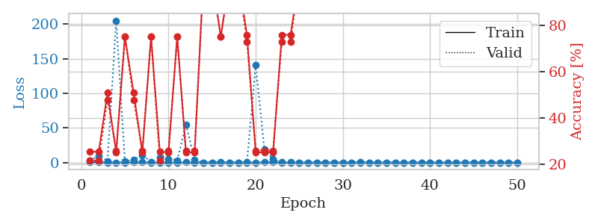
0.41412995335 | 1.3913270909 | 0.25543478261 | 0.21739130435 | 1.1456730366 | 25.543478261 | 21.739130435
0.2672487993 | 0.2005966675 | 1 | 1 | 1.1466703415 | 100 | 100
0.23976355143 | 2.9858568026 | 0.25543478261 | 0.21739130435 | 1.1472363472 | 25.543478261 | 21.739130435
0.37312832475 | 66.68770052 | 0.2527173913 | 0.26086956522 | 1.1459329128 | 25.27173913 | 26.086956522
0.29795043818 | 5.9739608765 | 0.50815217391 | 0.47826086957 | 1.1458170414 | 50.815217391 | 47.826086957
0.42467551565 | 48.170621955 | 0.2527173913 | 0.26086956522 | 1.1464033127 | 25.27173913 | 26.086956522
0.1938556487 | 2.4898920059 | 0.50815217391 | 0.47826086957 | 1.1484260559 | 50.815217391 | 47.826086957
0.1444963399 | 16.00128319 | 0.2527173913 | 0.26086956522 | 1.1451814175 | 25.27173913 | 26.086956522
0.08675139122 | 420.57464865 | 0.2527173913 | 0.26086956522 | 1.14661026 | 25.27173913 | 26.086956522
0.11680367937 | 289.31530098 | 0.2527173913 | 0.26086956522 | 1.149358511 | 25.27173913 | 26.086956522
0.28238883349 | 23.347291781 | 0.2527173913 | 0.26086956522 | 1.145750761 | 25.27173913 | 26.086956522
0.20617829798 | 40.150350488 | 0.2527173913 | 0.26086956522 | 1.1464402676 | 25.27173913 | 26.086956522
0.1701222167 | 0.0082434438088 | 1 | 1 | 1.1458678246 | 100 | 100
0.14733056028 | 0.053224564085 | 1 | 1 | 1.1471340656 | 100 | 100
0.12897245525 | 0.0033978933124 | 1 | 1 | 1.1468887329 | 100 | 100
0.045077325037 | 0.0067264613614 | 1 | 1 | 1.1477265358 | 100 | 100
0.17126921412 | 120.83600749 | 0.2527173913 | 0.26086956522 | 1.1472871304 | 25.27173913 | 26.086956522
0.10389596022 | 0.0056553913037 | 1 | 1 | 1.1485152245 | 100 | 100
0.35722015095 | 0.023839330868 | 1 | 1 | 1.1478490829 | 100 | 100
0.060778649726 | 8.1446483654 | 0.49456521739 | 0.53260869565 | 1.1480367184 | 49.456521739 | 53.260869565
0.13036914189 | 0.0032880170696 | 1 | 1 | 1.1504058838 | 100 | 100
0.12502479834 | 0.083913125746 | 1 | 1 | 1.1523551941 | 100 | 100
0.030901490205 | 0.0053410757657 | 1 | 1 | 1.1524217129 | 100 | 100
0.19252948235 | 0.28488706311 | 0.75815217391 | 0.72826086957 | 1.1519525051 | 75.815217391 | 72.826086957
0.21239178956 | 0.0034596958481 | 1 | 1 | 1.1525454521 | 100 | 100
0.021963360132 | 0.0044673523542 | 1 | 1 | 1.1519451141 | 100 | 100
0.010207146912 | 0.0023904177563 | 1 | 1 | 1.1522464752 | 100 | 100
0.07354864839 | 11.269167154 | 0.49456521739 | 0.53260869565 | 1.1533455849 | 49.456521739 | 53.260869565
0.019599980055 | 0.0026130396772 | 1 | 1 | 1.1527020931 | 100 | 100
0.11985967303 | 8.2845802722 | 0.25543478261 | 0.21739130435 | 1.1525771618 | 25.543478261 | 21.739130435
0.17454120011 | 0.0029868531324 | 1 | 1 | 1.1524488926 | 100 | 100
0.080318704495 | 33.448141761 | 0.49456521739 | 0.53260869565 | 1.1529271603 | 49.456521739 | 53.260869565
0.10532037131 | 0.0051718603455 | 1 | 1 | 1.1521458626 | 100 | 100
0.026017466709 | 0.0022698008233 | 1 | 1 | 1.1533737183 | 100 | 100
0.05681059738 | 10.285103881 | 0.49456521739 | 0.53260869565 | 1.1524999142 | 49.456521739 | 53.260869565
0.020082783298 | 0.00095063943224 | 1 | 1 | 1.1536664963 | 100 | 100
0.0076385702199 | 0.0009177946359 | 1 | 1 | 1.1529574394 | 100 | 100
0.027280421323 | 0.00080108910586 | 1 | 1 | 1.1527953148 | 100 | 100
0.0050433736456 | 0.00066031270873 | 1 | 1 | 1.1532518864 | 100 | 100
0.39530460226 | 0.0029303379377 | 1 | 1 | 1.1523947716 | 100 | 100
0.06733314328 | 0.0014868909544 | 1 | 1 | 1.1552250385 | 100 | 100
0.0075842775835 | 0.0010608030109 | 1 | 1 | 1.1522388458 | 100 | 100
0.00480078468 | 0.0010546002355 | 1 | 1 | 1.1539604664 | 100 | 100
0.022691990527 | 0.00099674229632 | 1 | 1 | 1.1524772644 | 100 | 100
0.024368331393 | 0.0011121198413 | 1 | 1 | 1.1532871723 | 100 | 100
0.10953601932 | 0.00095746311379 | 1 | 1 | 1.1533091068 | 100 | 100
0.0044754194526 | 0.0010056772583 | 1 | 1 | 1.1535105705 | 100 | 100
0.007650849045 | 0.0010225665553 | 1 | 1 | 1.1538147926 | 100 | 100

Best Val accuracy is 1.0 and Best test accuracy is 1.0

Sheet8
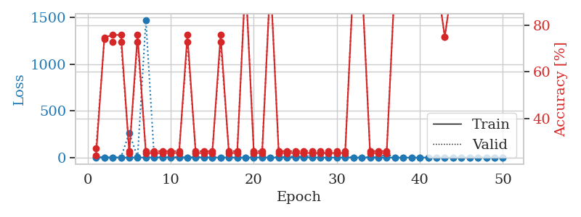
train_loss | valid_loss | train_accuracy | valid_accuracy | dur | train_misclass | valid_misclass
0.982998134 | 3.0398593882 | 0.25543478261 | 0.21739130435 | 1.3964562416 | 25.543478261 | 21.739130435
0.38519534436 | 255.11452053 | 0.2527173913 | 0.26086956522 | 1.1492540836 | 25.27173913 | 26.086956522
0.1447143268 | 10.746148773 | 0.25543478261 | 0.21739130435 | 1.1481442451 | 25.543478261 | 21.739130435
0.24618102715 | 3.6303418408 | 0.50815217391 | 0.47826086957 | 1.1466052532 | 50.815217391 | 47.826086957
0.36274946376 | 141.04637146 | 0.2527173913 | 0.26086956522 | 1.1484348774 | 25.27173913 | 26.086956522
0.12845379078 | 15.700289685 | 0.50815217391 | 0.47826086957 | 1.1475462914 | 50.815217391 | 47.826086957
0.32224504585 | 14.558310011 | 0.2527173913 | 0.26086956522 | 1.1470777988 | 25.27173913 | 26.086956522
0.22573733354 | 133.30437171 | 0.2527173913 | 0.26086956522 | 1.1477754116 | 25.27173913 | 26.086956522
0.071955914002 | 3.3061812753 | 0.50815217391 | 0.47826086957 | 1.1472222805 | 50.815217391 | 47.826086957
0.28957606208 | 435.71108743 | 0.2527173913 | 0.26086956522 | 1.1467101574 | 25.27173913 | 26.086956522
0.29890394415 | 148.21793929 | 0.2527173913 | 0.26086956522 | 1.1471056938 | 25.27173913 | 26.086956522
0.1640268774 | 3.0980913639 | 0.50815217391 | 0.47826086957 | 1.1466572285 | 50.815217391 | 47.826086957
0.2425616377 | 5.195010745 | 0.50815217391 | 0.47826086957 | 1.1468832493 | 50.815217391 | 47.826086957
0.058558473303 | 0.35307272362 | 0.75815217391 | 0.72826086957 | 1.1460263729 | 75.815217391 | 72.826086957
0.10232585887 | 69.430891949 | 0.2527173913 | 0.26086956522 | 1.1488673687 | 25.27173913 | 26.086956522
0.090594398728 | 0.0097609083371 | 1 | 1 | 1.1469829082 | 100 | 100
0.056010212041 | 0.0017265449481 | 1 | 1 | 1.1485888958 | 100 | 100
0.14325802841 | 0.064851471749 | 1 | 1 | 1.1471366882 | 100 | 100
0.12729907193 | 0.007889867578 | 1 | 1 | 1.1468572617 | 100 | 100
0.033818843319 | 0.002410277127 | 1 | 1 | 1.1468322277 | 100 | 100
0.022215676522 | 0.0013342403614 | 1 | 1 | 1.1473379135 | 100 | 100
0.022208501775 | 0.0016256203349 | 1 | 1 | 1.1466064453 | 100 | 100
0.286706687 | 1.811002695 | 0.50815217391 | 0.47826086957 | 1.1464698315 | 50.815217391 | 47.826086957
0.036153147852 | 0.0055580932708 | 1 | 1 | 1.1468524933 | 100 | 100
0.088922418054 | 0.0079682294846 | 1 | 1 | 1.1472761631 | 100 | 100
0.059027080945 | 0.0026492875211 | 1 | 1 | 1.1467630863 | 100 | 100
0.056933489643 | 0.00240772093 | 1 | 1 | 1.1474018097 | 100 | 100
0.021957997073 | 0.0029313245525 | 1 | 1 | 1.1468939781 | 100 | 100
0.013290398699 | 0.0015702156563 | 1 | 1 | 1.1473023891 | 100 | 100
0.16663122936 | 0.0026574656671 | 1 | 1 | 1.1478230953 | 100 | 100
0.087498345891 | 0.0021900424238 | 1 | 1 | 1.1472744942 | 100 | 100
0.059949358758 | 0.00713681296 | 1 | 1 | 1.1470880508 | 100 | 100
0.013793527569 | 0.00074372410207 | 1 | 1 | 1.1528429985 | 100 | 100
0.087725126131 | 0.0026291696375 | 1 | 1 | 1.1528770924 | 100 | 100
0.012459364074 | 0.00095614947318 | 1 | 1 | 1.1534881592 | 100 | 100
0.18956809255 | 0.0024481882017 | 1 | 1 | 1.1541013718 | 100 | 100
0.017022935297 | 0.0011642924257 | 1 | 1 | 1.1540622711 | 100 | 100
0.0076443564157 | 0.00080440243777 | 1 | 1 | 1.1540253162 | 100 | 100
0.013103363643 | 0.00071164727737 | 1 | 1 | 1.1539781094 | 100 | 100
0.026370777574 | 0.0006089177509 | 1 | 1 | 1.1538140774 | 100 | 100
0.013056893317 | 0.00066481185723 | 1 | 1 | 1.1540544033 | 100 | 100
0.01581897603 | 0.00080707148173 | 1 | 1 | 1.154548645 | 100 | 100
0.021433667601 | 0.00077193830942 | 1 | 1 | 1.1537475586 | 100 | 100
0.0074353332444 | 0.00068823728994 | 1 | 1 | 1.1541926861 | 100 | 100
0.014676982461 | 0.00059181470525 | 1 | 1 | 1.1542475224 | 100 | 100
0.010983405754 | 0.00060775179325 | 1 | 1 | 1.1541461945 | 100 | 100
0.42082054239 | 0.0006900008201 | 1 | 1 | 1.1537086964 | 100 | 100
0.02477275445 | 0.00073354720371 | 1 | 1 | 1.1537292004 | 100 | 100
0.0060835905403 | 0.00072829349665 | 1 | 1 | 1.1542425156 | 100 | 100
0.073921957742 | 0.00081192263726 | 1 | 1 | 1.1540703773 | 100 | 100

Best Val accuracy is 1.0 and Best test accuracy is 1.0
train_loss | valid_loss | train_accuracy | valid_accuracy | dur | train_misclass | valid_misclass
0.84592640141 | 8.0694944755 | 0.24184782609 | 0.27173913043 | 1.152115345 | 24.184782609 | 27.173913043
0.35248239986 | 0.5080590883 | 0.7472826087 | 0.73913043478 | 1.1460266113 | 74.72826087 | 73.913043478
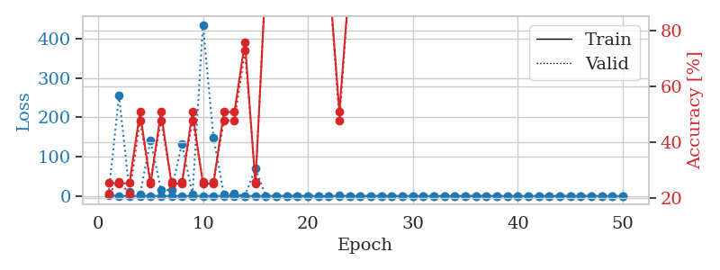
0.31383953276 | 1.0866788885 | 0.75815217391 | 0.72826086957 | 1.1473784447 | 75.815217391 | 72.826086957
0.2866173108 | 1.5915446852 | 0.75815217391 | 0.72826086957 | 1.1458361149 | 75.815217391 | 72.826086957
0.43971933295 | 264.07034965 | 0.2527173913 | 0.26086956522 | 1.1478879452 | 25.27173913 | 26.086956522
0.16434308498 | 2.2381818657 | 0.75815217391 | 0.72826086957 | 1.145355463 | 75.815217391 | 72.826086957
0.46538928499 | 1470.9195238 | 0.2527173913 | 0.26086956522 | 1.1453454494 | 25.27173913 | 26.086956522
0.26935504102 | 3.5542511318 | 0.2527173913 | 0.26086956522 | 1.1457018852 | 25.27173913 | 26.086956522
0.14590348757 | 4.7772285835 | 0.2527173913 | 0.26086956522 | 1.1481864452 | 25.27173913 | 26.086956522
0.3859542605 | 2.2974792563 | 0.2527173913 | 0.26086956522 | 1.1476483345 | 25.27173913 | 26.086956522
0.14645598606 | 2.9276179334 | 0.2527173913 | 0.26086956522 | 1.1476004124 | 25.27173913 | 26.086956522
0.080635834384 | 0.9493809446 | 0.75815217391 | 0.72826086957 | 1.1475257874 | 75.815217391 | 72.826086957
0.047715616078 | 2.2432915076 | 0.2527173913 | 0.26086956522 | 1.1479394436 | 25.27173913 | 26.086956522
0.24098305842 | 3.9285206069 | 0.2527173913 | 0.26086956522 | 1.1475670338 | 25.27173913 | 26.086956522
0.025772455918 | 1.50696416 | 0.2527173913 | 0.26086956522 | 1.1477723122 | 25.27173913 | 26.086956522
0.05499395637 | 0.4375365817 | 0.75815217391 | 0.72826086957 | 1.1477663517 | 75.815217391 | 72.826086957
0.20972655358 | 3.7890317751 | 0.2527173913 | 0.26086956522 | 1.1482646465 | 25.27173913 | 26.086956522
0.29762285476 | 1.8915392679 | 0.2527173913 | 0.26086956522 | 1.1476638317 | 25.27173913 | 26.086956522
0.19362891615 | 0.054814134765 | 1 | 1 | 1.1473755836 | 100 | 100
0.28099233873 | 4.9286883603 | 0.2527173913 | 0.26086956522 | 1.1481041908 | 25.27173913 | 26.086956522
0.12707860696 | 11.626627383 | 0.2527173913 | 0.26086956522 | 1.1471610069 | 25.27173913 | 26.086956522
0.047285305761 | 0.17798280327 | 1 | 1 | 1.1470291615 | 100 | 100
0.16442495342 | 5.5546191672 | 0.2527173913 | 0.26086956522 | 1.1471295357 | 25.27173913 | 26.086956522
0.14710567982 | 8.8044491436 | 0.2527173913 | 0.26086956522 | 1.1466591358 | 25.27173913 | 26.086956522
0.04032211113 | 14.672563843 | 0.2527173913 | 0.26086956522 | 1.1472737789 | 25.27173913 | 26.086956522
0.12217577059 | 7.8868863479 | 0.2527173913 | 0.26086956522 | 1.1475040913 | 25.27173913 | 26.086956522
0.08019388748 | 23.879107351 | 0.2527173913 | 0.26086956522 | 1.1473736763 | 25.27173913 | 26.086956522
0.11668054636 | 50.216080209 | 0.2527173913 | 0.26086956522 | 1.1475260258 | 25.27173913 | 26.086956522
0.053762169737 | 46.879466679 | 0.2527173913 | 0.26086956522 | 1.14792943 | 25.27173913 | 26.086956522
0.036164507685 | 37.607990597 | 0.2527173913 | 0.26086956522 | 1.1481795311 | 25.27173913 | 26.086956522
0.028279462718 | 17.119671365 | 0.2527173913 | 0.26086956522 | 1.147077322 | 25.27173913 | 26.086956522
0.011695382722 | 0.36497826032 | 1 | 1 | 1.1481404305 | 100 | 100
0.012914220327 | 0.02872002635 | 1 | 1 | 1.1483845711 | 100 | 100
0.026232539324 | 4.7933481465 | 0.2527173913 | 0.26086956522 | 1.1482112408 | 25.27173913 | 26.086956522
0.050608315171 | 1.6044754827 | 0.2527173913 | 0.26086956522 | 1.1487159729 | 25.27173913 | 26.086956522
0.085495856525 | 35.943729898 | 0.2527173913 | 0.26086956522 | 1.147998333 | 25.27173913 | 26.086956522
0.010218874918 | 0.1760451243 | 1 | 1 | 1.1519775391 | 100 | 100
0.015700913179 | 0.0012808710023 | 1 | 1 | 1.1481964588 | 100 | 100
0.014287158493 | 0.00091438612435 | 1 | 1 | 1.1508665085 | 100 | 100
0.014633298958 | 0.010440281349 | 1 | 1 | 1.1521406174 | 100 | 100
0.0050635535685 | 0.0014587570154 | 1 | 1 | 1.1530807018 | 100 | 100
0.0096962252181 | 0.0017502206054 | 1 | 1 | 1.153283596 | 100 | 100
0.11196114473 | 0.48488878815 | 0.75 | 0.75 | 1.1532235146 | 75 | 75
0.0076957986204 | 0.0034892590332 | 1 | 1 | 1.1532075405 | 100 | 100
0.015736625348 | 0.0020945055673 | 1 | 1 | 1.1531164646 | 100 | 100
0.0098942816359 | 0.0019855984061 | 1 | 1 | 1.1530895233 | 100 | 100
0.1088054992 | 0.0016479173564 | 1 | 1 | 1.1556959152 | 100 | 100
0.0082196676193 | 0.0016589695132 | 1 | 1 | 1.1537070274 | 100 | 100
0.1686334721 | 0.0015857552694 | 1 | 1 | 1.1535058022 | 100 | 100
0.011130695054 | 0.001747277049 | 1 | 1 | 1.1535298824 | 100 | 100

Best Val accuracy is 1.0 and Best test accuracy is 1.0

Sheet9
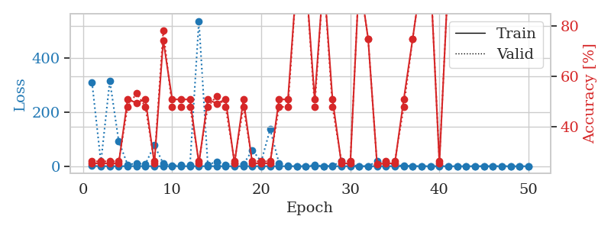
train_loss | valid_loss | train_accuracy | valid_accuracy | dur | train_misclass | valid_misclass
0.96766082619 | 83.226631496 | 0.2527173913 | 0.26086956522 | 1.1506514549 | 25.27173913 | 26.086956522
0.54026576747 | 1.8776928549 | 0.25543478261 | 0.21739130435 | 1.1490442753 | 25.543478261 | 21.739130435
0.34721261522 | 2.1243159875 | 0.50815217391 | 0.47826086957 | 1.1470322609 | 50.815217391 | 47.826086957
0.4133604603 | 0.16656425012 | 1 | 1 | 1.1485748291 | 100 | 100
0.29456849574 | 17.496526345 | 0.2527173913 | 0.26086956522 | 1.1491429806 | 25.27173913 | 26.086956522
0.26724619888 | 12.364175838 | 0.49456521739 | 0.53260869565 | 1.1467318535 | 49.456521739 | 53.260869565
0.17723498421 | 0.029056311221 | 1 | 1 | 1.146042347 | 100 | 100
0.091951722117 | 0.010672028622 | 1 | 1 | 1.1465435028 | 100 | 100
0.19259812679 | 0.096495958774 | 1 | 1 | 1.1464338303 | 100 | 100
0.23253034711 | 0.28438376085 | 0.75815217391 | 0.72826086957 | 1.1465597153 | 75.815217391 | 72.826086957
0.14477263055 | 3.8749006416 | 0.5027173913 | 0.51086956522 | 1.1476421356 | 50.27173913 | 51.086956522
0.27516793771 | 0.70754534265 | 0.5027173913 | 0.51086956522 | 1.1457822323 | 50.27173913 | 51.086956522
0.38212183741 | 28.470189219 | 0.2527173913 | 0.26086956522 | 1.1459527016 | 25.27173913 | 26.086956522
0.14974649619 | 6.1829925205 | 0.5027173913 | 0.51086956522 | 1.1475625038 | 50.27173913 | 51.086956522
0.12969653043 | 2.5714095986 | 0.5027173913 | 0.51086956522 | 1.1472098827 | 50.27173913 | 51.086956522
0.16609026479 | 4.2028450344 | 0.5027173913 | 0.51086956522 | 1.1464986801 | 50.27173913 | 51.086956522
0.23949084002 | 9.7286852339 | 0.5027173913 | 0.51086956522 | 1.1461572647 | 50.27173913 | 51.086956522
0.38703716409 | 13.571193405 | 0.2527173913 | 0.26086956522 | 1.1467456818 | 25.27173913 | 26.086956522
0.18605793434 | 1.1094915141 | 0.50815217391 | 0.47826086957 | 1.1466526985 | 50.815217391 | 47.826086957
0.11537623255 | 2.8852979722 | 0.74456521739 | 0.78260869565 | 1.1477220058 | 74.456521739 | 78.260869565
0.12983056367 | 11.438656724 | 0.5027173913 | 0.51086956522 | 1.147094965 | 50.27173913 | 51.086956522
0.14187144088 | 0.61885006661 | 0.74456521739 | 0.78260869565 | 1.1467075348 | 74.456521739 | 78.260869565
0.45454678991 | 6.2922500113 | 0.74456521739 | 0.78260869565 | 1.1464498043 | 74.456521739 | 78.260869565
0.19017996264 | 7.4649406309 | 0.74456521739 | 0.78260869565 | 1.1472630501 | 74.456521739 | 78.260869565
0.033207588151 | 4.8957101677 | 0.74456521739 | 0.78260869565 | 1.1466500759 | 74.456521739 | 78.260869565
0.088400208361 | 0.0064474891912 | 1 | 1 | 1.1471431255 | 100 | 100
0.042806728611 | 5.4630048171 | 0.74456521739 | 0.78260869565 | 1.1480500698 | 74.456521739 | 78.260869565
0.18172500839 | 9.3802547248 | 0.74456521739 | 0.78260869565 | 1.1476314068 | 74.456521739 | 78.260869565
0.018690674961 | 0.010271215184 | 1 | 1 | 1.1480484009 | 100 | 100
0.016962711795 | 0.0023220170887 | 1 | 1 | 1.1473884583 | 100 | 100
0.010597535171 | 0.0023283536505 | 1 | 1 | 1.1483960152 | 100 | 100
0.034272125568 | 0.0023231725006 | 1 | 1 | 1.1484205723 | 100 | 100
0.10862021795 | 0.0023402752679 | 1 | 1 | 1.1537373066 | 100 | 100
0.016686565643 | 0.0019548586165 | 1 | 1 | 1.154225111 | 100 | 100
0.099529877619 | 0.097613939772 | 1 | 1 | 1.1544086933 | 100 | 100
0.031669988914 | 0.0021996574132 | 1 | 1 | 1.1537275314 | 100 | 100
0.0084754874545 | 0.0019085812787 | 1 | 1 | 1.1536877155 | 100 | 100
0.1582805353 | 0.0015655961495 | 1 | 1 | 1.1535804272 | 100 | 100
0.011498957822 | 0.0020866582028 | 1 | 1 | 1.1542620659 | 100 | 100
0.030204503002 | 0.0061598075756 | 1 | 1 | 1.1545233727 | 100 | 100
0.010146278549 | 0.0013903682373 | 1 | 1 | 1.1541495323 | 100 | 100
0.0094854132799 | 0.0014225331935 | 1 | 1 | 1.15402174 | 100 | 100
0.0075019653431 | 0.0013532427433 | 1 | 1 | 1.1545386314 | 100 | 100
0.024105521562 | 0.0014165275497 | 1 | 1 | 1.1534409523 | 100 | 100
0.0086185449441 | 0.0015141231656 | 1 | 1 | 1.1542930603 | 100 | 100
0.11501365424 | 0.0019653513673 | 1 | 1 | 1.1555366516 | 100 | 100
0.034351149139 | 0.0013363376695 | 1 | 1 | 1.1543648243 | 100 | 100
0.047065219832 | 0.0012209683545 | 1 | 1 | 1.1547372341 | 100 | 100
0.0093570200463 | 0.0014653790783 | 1 | 1 | 1.154081583 | 100 | 100
0.080256517567 | 0.001104659244 | 1 | 1 | 1.153731823 | 100 | 100

Best Val accuracy is 1.0 and Best test accuracy is 1.0
train_loss | valid_loss | train_accuracy | valid_accuracy | dur | train_misclass | valid_misclass
0.94412772811 | 311.37970103 | 0.2527173913 | 0.26086956522 | 1.1499216557 | 25.27173913 | 26.086956522
0.39312399859 | 14.271757333 | 0.2527173913 | 0.26086956522 | 1.1466789246 | 25.27173913 | 26.086956522
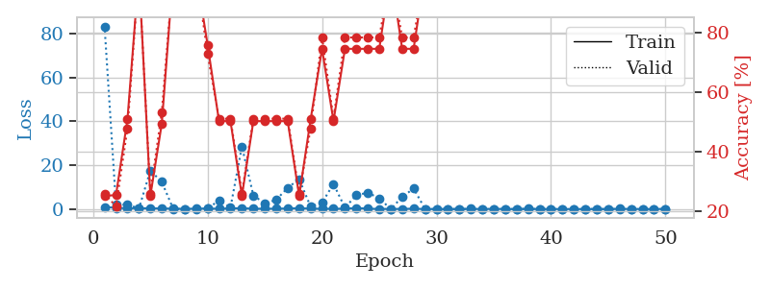
0.20552640603 | 316.97977481 | 0.2527173913 | 0.26086956522 | 1.1551733017 | 25.27173913 | 26.086956522
0.32400720518 | 92.899034915 | 0.2527173913 | 0.26086956522 | 1.151712656 | 25.27173913 | 26.086956522
0.12979064396 | 5.7535552771 | 0.50815217391 | 0.47826086957 | 1.1474001408 | 50.815217391 | 47.826086957
0.59892351306 | 10.690192637 | 0.49456521739 | 0.53260869565 | 1.1516709328 | 49.456521739 | 53.260869565
0.14021376448 | 8.2871821445 | 0.50815217391 | 0.47826086957 | 1.1507875919 | 50.815217391 | 47.826086957
0.356091472 | 78.176634084 | 0.2527173913 | 0.26086956522 | 1.1479296684 | 25.27173913 | 26.086956522
0.11045812508 | 9.6538494566 | 0.74456521739 | 0.78260869565 | 1.1500461102 | 74.456521739 | 78.260869565
0.1365689881 | 1.8869895313 | 0.50815217391 | 0.47826086957 | 1.1510500908 | 50.815217391 | 47.826086957
0.11622674379 | 4.2308180643 | 0.50815217391 | 0.47826086957 | 1.1505727768 | 50.815217391 | 47.826086957
0.075254157125 | 3.7664587809 | 0.50815217391 | 0.47826086957 | 1.1478700638 | 50.815217391 | 47.826086957
0.33455367442 | 538.23922862 | 0.2527173913 | 0.26086956522 | 1.1501996517 | 25.27173913 | 26.086956522
0.23007607613 | 5.3678249484 | 0.50815217391 | 0.47826086957 | 1.1482365131 | 50.815217391 | 47.826086957
0.067983144952 | 16.738536503 | 0.49184782609 | 0.52173913043 | 1.1496844292 | 49.184782609 | 52.173913043
0.022225671805 | 6.2007842479 | 0.50815217391 | 0.47826086957 | 1.1510314941 | 50.815217391 | 47.826086957
0.11278209941 | 10.960799798 | 0.2527173913 | 0.26086956522 | 1.149469614 | 25.27173913 | 26.086956522
0.26219246755 | 7.1120882034 | 0.50815217391 | 0.47826086957 | 1.150780201 | 50.815217391 | 47.826086957
0.2360974218 | 59.57167302 | 0.2527173913 | 0.26086956522 | 1.1491410732 | 25.27173913 | 26.086956522
0.12761067995 | 17.428507432 | 0.2527173913 | 0.26086956522 | 1.1520738602 | 25.27173913 | 26.086956522
0.1772009648 | 137.11099044 | 0.2527173913 | 0.26086956522 | 1.1494266987 | 25.27173913 | 26.086956522
0.086977146799 | 10.833027923 | 0.50815217391 | 0.47826086957 | 1.1500244141 | 50.815217391 | 47.826086957
0.11206956346 | 0.71730081154 | 0.50815217391 | 0.47826086957 | 1.1504793167 | 50.815217391 | 47.826086957
0.19537639448 | 0.11985306733 | 1 | 1 | 1.1496696472 | 100 | 100
0.14682492592 | 0.084578997739 | 1 | 1 | 1.15153265 | 100 | 100
0.24472019367 | 4.8117515108 | 0.50815217391 | 0.47826086957 | 1.1493787766 | 50.815217391 | 47.826086957
0.062387177376 | 0.19002884821 | 1 | 1 | 1.1500170231 | 100 | 100
0.052429653826 | 1.5971553999 | 0.50815217391 | 0.47826086957 | 1.1498711109 | 50.815217391 | 47.826086957
0.12308059018 | 17.987763032 | 0.2527173913 | 0.26086956522 | 1.1495990753 | 25.27173913 | 26.086956522
0.024413370446 | 4.4184494951 | 0.2527173913 | 0.26086956522 | 1.1521112919 | 25.27173913 | 26.086956522
0.026092347924 | 0.0057250290056 | 1 | 1 | 1.1492962837 | 100 | 100
0.029289013514 | 0.4864838214 | 0.75 | 0.75 | 1.1528673172 | 75 | 75
0.2784513124 | 18.216163262 | 0.25 | 0.25 | 1.1491730213 | 25 | 25
0.083640478086 | 15.910830166 | 0.2527173913 | 0.26086956522 | 1.1512198448 | 25.27173913 | 26.086956522
0.19294873788 | 3.6503899512 | 0.2527173913 | 0.26086956522 | 1.1526060104 | 25.27173913 | 26.086956522
0.095128028142 | 1.8782994644 | 0.50815217391 | 0.47826086957 | 1.1552393436 | 50.815217391 | 47.826086957
0.057908524526 | 0.55025894227 | 0.75 | 0.75 | 1.1546702385 | 75 | 75
0.0097341702937 | 0.0015073480925 | 1 | 1 | 1.1548914909 | 100 | 100
0.043152481829 | 0.003781749462 | 1 | 1 | 1.1555514336 | 100 | 100
0.14123310398 | 1.6403691095 | 0.2527173913 | 0.26086956522 | 1.1535658836 | 25.27173913 | 26.086956522
0.026426437124 | 0.13328288301 | 1 | 1 | 1.1560189724 | 100 | 100
0.021963048559 | 0.0056520232364 | 1 | 1 | 1.1564965248 | 100 | 100
0.03278557898 | 0.0016865673192 | 1 | 1 | 1.1563234329 | 100 | 100
0.010430263219 | 0.0025923796626 | 1 | 1 | 1.156208992 | 100 | 100
0.023535409092 | 0.0014868718369 | 1 | 1 | 1.1565418243 | 100 | 100
0.040956206159 | 0.0014454599915 | 1 | 1 | 1.1552329063 | 100 | 100
0.013189192294 | 0.0013943967288 | 1 | 1 | 1.1561169624 | 100 | 100
0.073090217992 | 0.0013594561226 | 1 | 1 | 1.1573979855 | 100 | 100
0.013269555735 | 0.0013480642355 | 1 | 1 | 1.1548593044 | 100 | 100
0.016147342931 | 0.0011725810043 | 1 | 1 | 1.1561326981 | 100 | 100

Best Val accuracy is 1.0 and Best test accuracy is 1.0

Sheet10
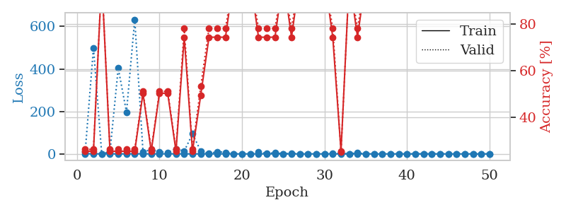
train_loss | valid_loss | train_accuracy | valid_accuracy | dur | train_misclass | valid_misclass
0.85996747017 | 1.6075277173 | 0.24184782609 | 0.27173913043 | 1.1485965252 | 24.184782609 | 27.173913043
0.44695606957 | 82.388511658 | 0.2527173913 | 0.26086956522 | 1.1483252048 | 25.27173913 | 26.086956522
0.20801185833 | 9.0412092209 | 0.25543478261 | 0.21739130435 | 1.1461610794 | 25.543478261 | 21.739130435
0.27271246295 | 69.907250114 | 0.2527173913 | 0.26086956522 | 1.1463694572 | 25.27173913 | 26.086956522
0.3101846336 | 85.6195347 | 0.2527173913 | 0.26086956522 | 1.1456508636 | 25.27173913 | 26.086956522
0.081238175864 | 1.4458545861 | 0.50815217391 | 0.47826086957 | 1.1455309391 | 50.815217391 | 47.826086957
0.078307639038 | 0.029990252269 | 1 | 1 | 1.1486558914 | 100 | 100
0.17380900284 | 139.11325206 | 0.2527173913 | 0.26086956522 | 1.1486711502 | 25.27173913 | 26.086956522
0.21625089402 | 14.27314779 | 0.2527173913 | 0.26086956522 | 1.1458289623 | 25.27173913 | 26.086956522
0.036644317999 | 6.3055765525 | 0.50815217391 | 0.47826086957 | 1.1457073689 | 50.815217391 | 47.826086957
0.0403932835 | 0.066727987126 | 1 | 1 | 1.1463544369 | 100 | 100
0.18732519876 | 4.5428976183 | 0.50815217391 | 0.47826086957 | 1.1459186077 | 50.815217391 | 47.826086957
0.42291888489 | 60.120590044 | 0.25543478261 | 0.21739130435 | 1.1461012363 | 25.543478261 | 21.739130435
0.3449762513 | 874.68082328 | 0.2527173913 | 0.26086956522 | 1.1456809044 | 25.27173913 | 26.086956522
0.1226775455 | 3.3851869936 | 0.50815217391 | 0.47826086957 | 1.1460103989 | 50.815217391 | 47.826086957
0.16032173471 | 0.0018107442175 | 1 | 1 | 1.1466593742 | 100 | 100
0.057387114168 | 14.606679129 | 0.25543478261 | 0.21739130435 | 1.1443212032 | 25.543478261 | 21.739130435
0.063070160114 | 0.0039771621763 | 1 | 1 | 1.1450352669 | 100 | 100
0.081858267117 | 0.0053247588525 | 1 | 1 | 1.1445822716 | 100 | 100
0.18912853482 | 752.81166408 | 0.2527173913 | 0.26086956522 | 1.1453621387 | 25.27173913 | 26.086956522
0.37204078052 | 13.066388545 | 0.2527173913 | 0.26086956522 | 1.1453199387 | 25.27173913 | 26.086956522
0.0757789964 | 0.057029557293 | 1 | 1 | 1.145478487 | 100 | 100
0.10245274428 | 6.3663202991 | 0.25543478261 | 0.21739130435 | 1.146143198 | 25.543478261 | 21.739130435
0.134102082 | 0.037736239641 | 1 | 1 | 1.145626545 | 100 | 100
0.05918358978 | 0.021757127717 | 1 | 1 | 1.1450414658 | 100 | 100
0.054990586744 | 5.0360665736 | 0.2527173913 | 0.26086956522 | 1.1468057632 | 25.27173913 | 26.086956522
0.027979507222 | 3.4462219943 | 0.50815217391 | 0.47826086957 | 1.1459810734 | 50.815217391 | 47.826086957
0.019689432087 | 1.0964945969 | 0.75 | 0.75 | 1.1464254856 | 75 | 75
0.17470112808 | 0.18331287931 | 0.74456521739 | 0.78260869565 | 1.1453382969 | 74.456521739 | 78.260869565
0.026222732986 | 0.0050970479522 | 1 | 1 | 1.1459169388 | 100 | 100
0.050498256161 | 0.24658221136 | 0.75 | 0.75 | 1.1460533142 | 75 | 75
0.06992308308 | 0.0027907131665 | 1 | 1 | 1.1480879784 | 100 | 100
0.13897864223 | 1.6367549948 | 0.5027173913 | 0.51086956522 | 1.1518220901 | 50.27173913 | 51.086956522
0.16477844088 | 9.9582038548 | 0.25543478261 | 0.21739130435 | 1.1519274712 | 25.543478261 | 21.739130435
0.0081607066803 | 0.014852864749 | 1 | 1 | 1.150911808 | 100 | 100
0.11788464743 | 1.0614050212 | 0.75 | 0.75 | 1.1530411243 | 75 | 75
0.0092101655698 | 0.0026539844845 | 1 | 1 | 1.1532618999 | 100 | 100
0.034329210509 | 0.0039313618377 | 1 | 1 | 1.1510505676 | 100 | 100
0.078445172934 | 0.012588735265 | 1 | 1 | 1.1517159939 | 100 | 100
0.02880753846 | 0.0017130530298 | 1 | 1 | 1.1517932415 | 100 | 100
0.0095286488675 | 0.002735592516 | 1 | 1 | 1.1520223618 | 100 | 100
0.052752485802 | 0.0015143204491 | 1 | 1 | 1.1513302326 | 100 | 100
0.0037746420738 | 0.0017635247812 | 1 | 1 | 1.1505262852 | 100 | 100
0.004081604486 | 0.0017325498933 | 1 | 1 | 1.151558876 | 100 | 100
0.0050767543321 | 0.0018405729864 | 1 | 1 | 1.15158391 | 100 | 100
0.0091124575031 | 0.0017380247439 | 1 | 1 | 1.152030468 | 100 | 100
0.027119225873 | 0.0019007695171 | 1 | 1 | 1.152338028 | 100 | 100
0.0043601265364 | 0.0019873136796 | 1 | 1 | 1.152528286 | 100 | 100
0.013302171914 | 0.0021381928666 | 1 | 1 | 1.1522026062 | 100 | 100
0.030769040601 | 0.0019674743829 | 1 | 1 | 1.1521859169 | 100 | 100

Best Val accuracy is 1.0 and Best test accuracy is 1.0
train_loss | valid_loss | train_accuracy | valid_accuracy | dur | train_misclass | valid_misclass
0.78358957431 | 10.338985443 | 0.2527173913 | 0.26086956522 | 1.1503350735 | 25.27173913 | 26.086956522
0.51793286593 | 499.79891304 | 0.2527173913 | 0.26086956522 | 1.1504654884 | 25.27173913 | 26.086956522
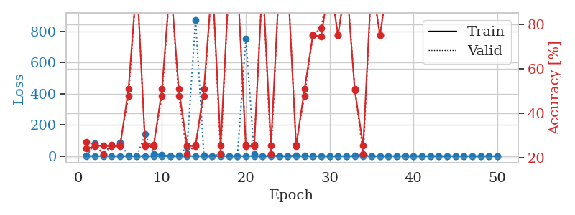
0.16880448389 | 0.20180261006 | 1 | 1 | 1.1482927799 | 100 | 100
0.13671149313 | 9.6070790084 | 0.2527173913 | 0.26086956522 | 1.1519465446 | 25.27173913 | 26.086956522
0.18416894203 | 403.61422464 | 0.2527173913 | 0.26086956522 | 1.1491746902 | 25.27173913 | 26.086956522
0.12082166423 | 196.39134681 | 0.2527173913 | 0.26086956522 | 1.151581049 | 25.27173913 | 26.086956522
0.65366509589 | 632.9101191 | 0.2527173913 | 0.26086956522 | 1.1488859653 | 25.27173913 | 26.086956522
0.20309540216 | 10.704280729 | 0.5027173913 | 0.51086956522 | 1.1486370564 | 50.27173913 | 51.086956522
0.24329878742 | 18.762966405 | 0.2527173913 | 0.26086956522 | 1.1487169266 | 25.27173913 | 26.086956522
0.27700065053 | 10.307867734 | 0.5027173913 | 0.51086956522 | 1.1491119862 | 50.27173913 | 51.086956522
0.094728017145 | 5.747424955 | 0.5027173913 | 0.51086956522 | 1.1519658566 | 50.27173913 | 51.086956522
0.50385245446 | 23.641000582 | 0.2527173913 | 0.26086956522 | 1.1494681835 | 25.27173913 | 26.086956522
0.15435728447 | 13.20635808 | 0.74456521739 | 0.78260869565 | 1.1486101151 | 74.456521739 | 78.260869565
0.18730353528 | 93.992351034 | 0.2527173913 | 0.26086956522 | 1.1500468254 | 25.27173913 | 26.086956522
0.054056109881 | 13.449471722 | 0.49456521739 | 0.53260869565 | 1.1489675045 | 49.456521739 | 53.260869565
0.072020780816 | 1.3293365862 | 0.74456521739 | 0.78260869565 | 1.1507017612 | 74.456521739 | 78.260869565
0.17931561875 | 10.32765714 | 0.74456521739 | 0.78260869565 | 1.1519150734 | 74.456521739 | 78.260869565
0.078701699254 | 7.0209782435 | 0.74456521739 | 0.78260869565 | 1.1499414444 | 74.456521739 | 78.260869565
0.02952604262 | 0.0064487545549 | 1 | 1 | 1.1505272388 | 100 | 100
0.0079288575495 | 0.0017252401094 | 1 | 1 | 1.1495907307 | 100 | 100
0.21770632659 | 0.18914898323 | 0.9972826087 | 1 | 1.1511566639 | 99.72826087 | 100
0.19228026582 | 9.440927236 | 0.74456521739 | 0.78260869565 | 1.148816824 | 74.456521739 | 78.260869565
0.039549549707 | 2.2629988453 | 0.74456521739 | 0.78260869565 | 1.149415493 | 74.456521739 | 78.260869565
0.3061975062 | 4.9914543629 | 0.74456521739 | 0.78260869565 | 1.1484498978 | 74.456521739 | 78.260869565
0.08281988274 | 0.014328112866 | 1 | 1 | 1.1485848427 | 100 | 100
0.1194651946 | 2.4503320145 | 0.74456521739 | 0.78260869565 | 1.1485819817 | 74.456521739 | 78.260869565
0.021013772581 | 0.0047126963897 | 1 | 1 | 1.1498186588 | 100 | 100
0.0813413931 | 0.0034820769772 | 1 | 1 | 1.1490294933 | 100 | 100
0.12181615615 | 0.002415434923 | 1 | 1 | 1.1486616135 | 100 | 100
0.064297517134 | 0.008321097647 | 1 | 1 | 1.1501171589 | 100 | 100
0.036680821279 | 1.4707588476 | 0.74456521739 | 0.78260869565 | 1.1499106884 | 74.456521739 | 78.260869565
0.059213590294 | 2.5302397997 | 0.2527173913 | 0.25 | 1.1510369778 | 25.27173913 | 25
0.016494686543 | 0.0027816872133 | 1 | 1 | 1.1541490555 | 100 | 100
0.28448810366 | 4.5218468438 | 0.74456521739 | 0.78260869565 | 1.1538972855 | 74.456521739 | 78.260869565
0.065408630803 | 0.061181961194 | 1 | 1 | 1.1541786194 | 100 | 100
0.036188437426 | 0.0035435306921 | 1 | 1 | 1.1538226604 | 100 | 100
0.030546355707 | 0.0013143064444 | 1 | 1 | 1.1549530029 | 100 | 100
0.01729808974 | 0.0019732137494 | 1 | 1 | 1.1537806988 | 100 | 100
0.10944990614 | 0.0030113779838 | 1 | 1 | 1.1545846462 | 100 | 100
0.0045980470705 | 0.0015592900074 | 1 | 1 | 1.1541671753 | 100 | 100
0.16807733342 | 0.0025424149859 | 1 | 1 | 1.1544954777 | 100 | 100
0.083827735461 | 0.001576419778 | 1 | 1 | 1.1541006565 | 100 | 100
0.015883048316 | 0.0034593441726 | 1 | 1 | 1.1538949013 | 100 | 100
0.019615854825 | 0.0027642899051 | 1 | 1 | 1.1541790962 | 100 | 100
0.007975604537 | 0.0018654146596 | 1 | 1 | 1.1542162895 | 100 | 100
0.028149238535 | 0.0018284803094 | 1 | 1 | 1.1548249722 | 100 | 100
0.013719438277 | 0.0015285459458 | 1 | 1 | 1.1550016403 | 100 | 100
0.01238482898 | 0.0018376910897 | 1 | 1 | 1.1561026573 | 100 | 100
0.0060916906121 | 0.0015291355591 | 1 | 1 | 1.1554639339 | 100 | 100
0.018431755588 | 0.0014399028758 | 1 | 1 | 1.1552057266 | 100 | 100

Best Val accuracy is 1.0 and Best test accuracy is 1.0

