Sheet
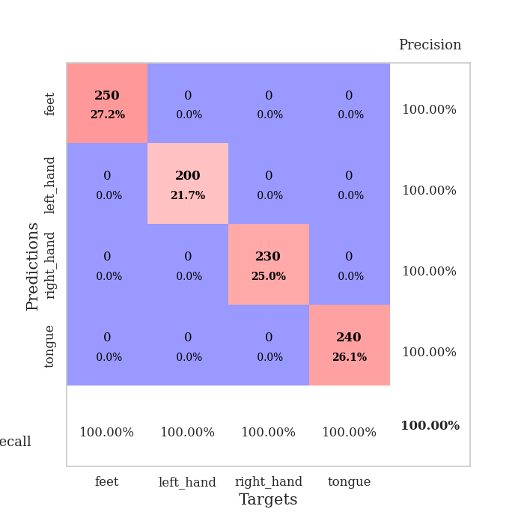
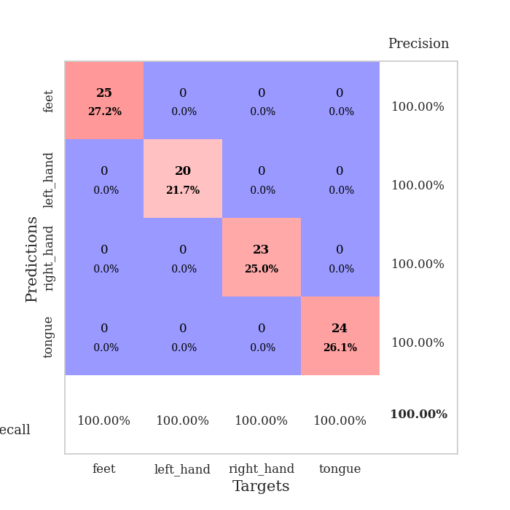
best_val_acc | best_val_los | best_test_acc
1 | 0.0017498796097 | 1
1 | 0.00094718003706 | 1
1 | 0.0014269069475 | 1
1 | 0.0029370095986 | 1
1 | 0.0014593788757 | 1
1 | 0.0017924189223 | 1
1 | 0.0014595250073 | 1
1 | 0.0013521198112 | 1
1 | 0.0016053090854 | 1
1 | 0.0010805659543 | 1

Mean,std Val accuracy is 1.0 , 0.0 and mean, std test accuracy is 1.0 , 0.0

Sheet1
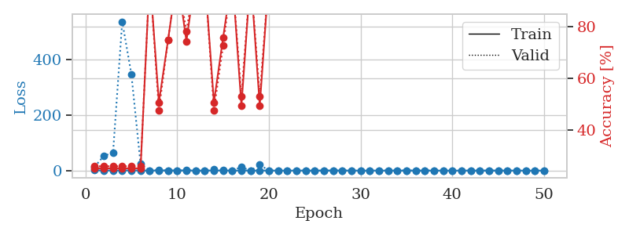
train_loss | valid_loss | train_accuracy | valid_accuracy | dur | train_misclass | valid_misclass
0.86903098873 | 105.77801215 | 0.2527173913 | 0.26086956522 | 1.1508293152 | 25.27173913 | 26.086956522
0.37183252884 | 0.25664055283 | 1 | 1 | 1.1467447281 | 100 | 100
0.2672121852 | 1.660238577 | 0.2527173913 | 0.26086956522 | 1.1475241184 | 25.27173913 | 26.086956522
0.20647446763 | 0.29787908818 | 0.75 | 0.75 | 1.1448318958 | 75 | 75
0.62970243832 | 422.95503965 | 0.2527173913 | 0.26086956522 | 1.1459505558 | 25.27173913 | 26.086956522
0.30485905383 | 89.647799616 | 0.2527173913 | 0.26086956522 | 1.1458494663 | 25.27173913 | 26.086956522
0.27288424904 | 0.731769795 | 0.2527173913 | 0.26086956522 | 1.1452946663 | 25.27173913 | 26.086956522
0.22502400102 | 0.17962724683 | 1 | 1 | 1.1445560455 | 100 | 100
0.3476517377 | 1.5399716885 | 0.50815217391 | 0.47826086957 | 1.1446409225 | 50.815217391 | 47.826086957
0.32231384224 | 13.667983677 | 0.2527173913 | 0.26086956522 | 1.1453707218 | 25.27173913 | 26.086956522
0.074449295745 | 2.4940210633 | 0.50815217391 | 0.47826086957 | 1.1457941532 | 50.815217391 | 47.826086957
0.14421286078 | 1.4284851499 | 0.50815217391 | 0.47826086957 | 1.1454908848 | 50.815217391 | 47.826086957
0.054365698208 | 0.0071192392472 | 1 | 1 | 1.1467320919 | 100 | 100
0.035144364411 | 0.0033261593451 | 1 | 1 | 1.1459896564 | 100 | 100
0.069086726755 | 0.0035038808381 | 1 | 1 | 1.1460301876 | 100 | 100
0.15877235145 | 0.006218758108 | 1 | 1 | 1.1463799477 | 100 | 100
0.1927966518 | 0.004468187953 | 1 | 1 | 1.1459550858 | 100 | 100
0.094625221312 | 0.0065627261672 | 1 | 1 | 1.1456480026 | 100 | 100
0.33517401799 | 479.99420962 | 0.2527173913 | 0.26086956522 | 1.1460008621 | 25.27173913 | 26.086956522
0.062618857503 | 0.031377240287 | 1 | 1 | 1.1448686123 | 100 | 100
0.081193253145 | 0.0035278106655 | 1 | 1 | 1.1455490589 | 100 | 100
0.29381760745 | 0.00078211273016 | 1 | 1 | 1.1453201771 | 100 | 100
0.06566684849 | 0.0040906459984 | 1 | 1 | 1.1466488838 | 100 | 100
0.27211687295 | 0.026859617347 | 1 | 1 | 1.1465351582 | 100 | 100
0.047748523542 | 0.0030576618307 | 1 | 1 | 1.1453282833 | 100 | 100
0.056495612842 | 0.0054621033411 | 1 | 1 | 1.1458420753 | 100 | 100
0.054721470244 | 0.0030250748235 | 1 | 1 | 1.1454880238 | 100 | 100
0.013846736877 | 0.0024975638573 | 1 | 1 | 1.146150589 | 100 | 100
0.034485830672 | 0.0024301371557 | 1 | 1 | 1.1464571953 | 100 | 100
0.097680741931 | 0.0042335075002 | 1 | 1 | 1.1469864845 | 100 | 100
0.018612845892 | 0.0042341050449 | 1 | 1 | 1.1485013962 | 100 | 100
0.10433530287 | 0.016792702286 | 1 | 1 | 1.1486403942 | 100 | 100
0.033885707502 | 0.002557906636 | 1 | 1 | 1.1482684612 | 100 | 100
0.023187029727 | 0.0058715787068 | 1 | 1 | 1.1505732536 | 100 | 100
0.008520334382 | 0.001874552655 | 1 | 1 | 1.1524138451 | 100 | 100
0.020668408261 | 0.0014921051258 | 1 | 1 | 1.1531741619 | 100 | 100
0.19992049519 | 0.0017170431902 | 1 | 1 | 1.1527318954 | 100 | 100
0.19735309347 | 0.0022077059232 | 1 | 1 | 1.1536064148 | 100 | 100
0.044976494366 | 0.07833424826 | 1 | 1 | 1.1532614231 | 100 | 100
0.012736782761 | 0.0044711027699 | 1 | 1 | 1.1533238888 | 100 | 100
0.055063873858 | 0.0023049466899 | 1 | 1 | 1.1534221172 | 100 | 100
0.10453444314 | 0.0024075971046 | 1 | 1 | 1.1535441875 | 100 | 100
0.028143042046 | 0.0024023660884 | 1 | 1 | 1.153809309 | 100 | 100
0.11694936549 | 0.001930458542 | 1 | 1 | 1.1538519859 | 100 | 100
0.017085901745 | 0.0020300226448 | 1 | 1 | 1.1542770863 | 100 | 100
0.034031015876 | 0.0018667267109 | 1 | 1 | 1.1537339687 | 100 | 100
0.020379761381 | 0.0018985471435 | 1 | 1 | 1.1533882618 | 100 | 100
0.022662145658 | 0.0017741500076 | 1 | 1 | 1.1540346146 | 100 | 100
0.014131005879 | 0.0019481490245 | 1 | 1 | 1.1535205841 | 100 | 100
0.015776922243 | 0.0019358754988 | 1 | 1 | 1.1534414291 | 100 | 100

Best Val accuracy is 1.0 and Best test accuracy is 1.0
train_loss | valid_loss | train_accuracy | valid_accuracy | dur | train_misclass | valid_misclass
1.0327609777 | 13.677970679 | 0.2527173913 | 0.26086956522 | 1.1580066681 | 25.27173913 | 26.086956522
0.52326331774 | 53.483786044 | 0.2527173913 | 0.26086956522 | 1.153110981 | 25.27173913 | 26.086956522
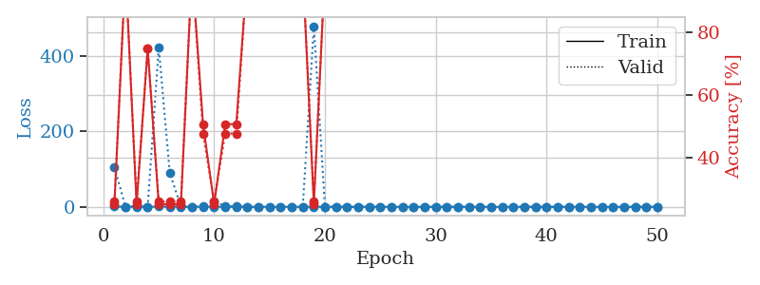
0.19994019976 | 63.401766072 | 0.2527173913 | 0.26086956522 | 1.1503903866 | 25.27173913 | 26.086956522
0.59745037378 | 536.11791063 | 0.2527173913 | 0.26086956522 | 1.1480212212 | 25.27173913 | 26.086956522
0.66379488422 | 346.61779122 | 0.2527173913 | 0.26086956522 | 1.1486546993 | 25.27173913 | 26.086956522
0.42658089231 | 23.481551046 | 0.2527173913 | 0.26086956522 | 1.1490068436 | 25.27173913 | 26.086956522
0.22208082303 | 0.24078021101 | 1 | 1 | 1.1490161419 | 100 | 100
0.27714330573 | 1.5216963084 | 0.50815217391 | 0.47826086957 | 1.1500127316 | 50.815217391 | 47.826086957
0.10718476959 | 0.3283581643 | 0.75 | 0.75 | 1.1505174637 | 75 | 75
0.075955977339 | 0.012464984968 | 1 | 1 | 1.1488735676 | 100 | 100
0.20743383666 | 1.1536054585 | 0.74456521739 | 0.78260869565 | 1.1488540173 | 74.456521739 | 78.260869565
0.091995940665 | 0.1678083918 | 1 | 1 | 1.1489036083 | 100 | 100
0.13358947052 | 0.050958515995 | 1 | 1 | 1.1493742466 | 100 | 100
0.31878965289 | 4.4964939615 | 0.50815217391 | 0.47826086957 | 1.1506364346 | 50.815217391 | 47.826086957
0.092150323599 | 2.6032204421 | 0.75815217391 | 0.72826086957 | 1.1501851082 | 75.815217391 | 72.826086957
0.14452933032 | 0.07826174909 | 1 | 1 | 1.1508774757 | 100 | 100
0.095990726886 | 12.68732187 | 0.49456521739 | 0.53260869565 | 1.1549265385 | 49.456521739 | 53.260869565
0.25016289945 | 0.021204778358 | 1 | 1 | 1.14970994 | 100 | 100
0.18303760303 | 20.882620687 | 0.49456521739 | 0.53260869565 | 1.1522431374 | 49.456521739 | 53.260869565
0.1219318178 | 0.042028619057 | 1 | 1 | 1.1489186287 | 100 | 100
0.05881854745 | 0.0056404504601 | 1 | 1 | 1.1492910385 | 100 | 100
0.05413225935 | 0.020880480904 | 1 | 1 | 1.1495196819 | 100 | 100
0.15707111401 | 0.0033715633756 | 1 | 1 | 1.149122715 | 100 | 100
0.054835633537 | 0.0047656938069 | 1 | 1 | 1.1529860497 | 100 | 100
0.038469649487 | 0.0045818309705 | 1 | 1 | 1.1498203278 | 100 | 100
0.0091741242972 | 0.0024994170273 | 1 | 1 | 1.1498947144 | 100 | 100
0.32784186013 | 0.02236281141 | 1 | 1 | 1.1525642872 | 100 | 100
0.065630362096 | 0.11198363259 | 1 | 1 | 1.1510488987 | 100 | 100
0.02798856477 | 0.0036800976478 | 1 | 1 | 1.1524579525 | 100 | 100
0.020886958263 | 0.002393078555 | 1 | 1 | 1.1507279873 | 100 | 100
0.075862928678 | 0.022124889185 | 1 | 1 | 1.1527364254 | 100 | 100
0.11259094664 | 0.0047621739137 | 1 | 1 | 1.1514430046 | 100 | 100
0.019912660031 | 0.0025895295118 | 1 | 1 | 1.1509795189 | 100 | 100
0.10082382399 | 0.046980243662 | 1 | 1 | 1.1513519287 | 100 | 100
0.052561795137 | 0.0041902212264 | 1 | 1 | 1.1528832912 | 100 | 100
0.075097578714 | 0.13586544764 | 1 | 1 | 1.1515519619 | 100 | 100
0.031120449173 | 0.0034810440797 | 1 | 1 | 1.1511406898 | 100 | 100
0.089231003531 | 0.0031277988835 | 1 | 1 | 1.1513364315 | 100 | 100
0.015808513763 | 0.0022998715893 | 1 | 1 | 1.1515922546 | 100 | 100
0.022942080122 | 0.0020791403342 | 1 | 1 | 1.1523249149 | 100 | 100
0.017496514822 | 0.0023302897791 | 1 | 1 | 1.1539492607 | 100 | 100
0.02725244689 | 0.0021427836391 | 1 | 1 | 1.1538958549 | 100 | 100
0.044831947054 | 0.0019358392886 | 1 | 1 | 1.1535134315 | 100 | 100
0.0153490869 | 0.0021464784184 | 1 | 1 | 1.1536095142 | 100 | 100
0.0069604385796 | 0.0020079550171 | 1 | 1 | 1.1538176537 | 100 | 100
0.064503235763 | 0.0017667455882 | 1 | 1 | 1.1536560059 | 100 | 100
0.013426703953 | 0.0018505450925 | 1 | 1 | 1.1540799141 | 100 | 100
0.011909058156 | 0.0017878320169 | 1 | 1 | 1.1540665627 | 100 | 100
0.029498475032 | 0.0017702114141 | 1 | 1 | 1.154538393 | 100 | 100
0.062086934345 | 0.0017498796097 | 1 | 1 | 1.1540465355 | 100 | 100

Best Val accuracy is 1.0 and Best test accuracy is 1.0

Sheet2
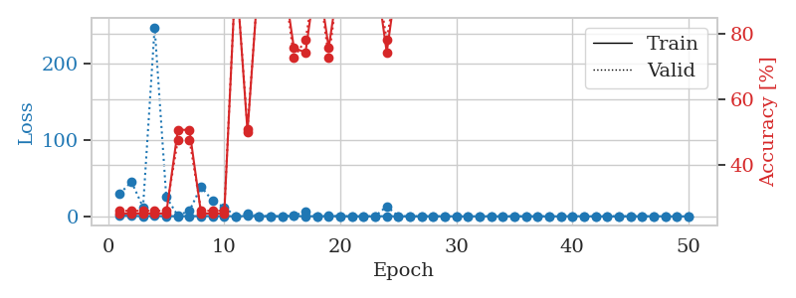
train_loss | valid_loss | train_accuracy | valid_accuracy | dur | train_misclass | valid_misclass
1.0363382036 | 1.0244949616 | 0.50815217391 | 0.47826086957 | 1.146985054 | 50.815217391 | 47.826086957
0.38548887877 | 47.959147744 | 0.2527173913 | 0.26086956522 | 1.1457350254 | 25.27173913 | 26.086956522
0.36833564208 | 79.328858417 | 0.2527173913 | 0.26086956522 | 1.1434748173 | 25.27173913 | 26.086956522
0.20734862935 | 14.35122718 | 0.2527173913 | 0.26086956522 | 1.1444618702 | 25.27173913 | 26.086956522
0.24218761735 | 9.080061332 | 0.2527173913 | 0.26086956522 | 1.1437971592 | 25.27173913 | 26.086956522
0.083466026122 | 35.291230077 | 0.2527173913 | 0.26086956522 | 1.1440153122 | 25.27173913 | 26.086956522
0.4967002269 | 88.341746123 | 0.2527173913 | 0.26086956522 | 1.1429636478 | 25.27173913 | 26.086956522
0.17003145769 | 0.049630865455 | 1 | 1 | 1.1435146332 | 100 | 100
0.12415348581 | 0.02140302122 | 1 | 1 | 1.1442935467 | 100 | 100
0.15522045067 | 0.1046577015 | 1 | 1 | 1.1427717209 | 100 | 100
0.48466938841 | 2.5737543676 | 0.75815217391 | 0.72826086957 | 1.143686533 | 75.815217391 | 72.826086957
0.23015591241 | 4.1890895781 | 0.50815217391 | 0.47826086957 | 1.1441040039 | 50.815217391 | 47.826086957
0.094970122931 | 0.011467631258 | 1 | 1 | 1.143643856 | 100 | 100
0.33646078759 | 1.1263207508 | 0.50815217391 | 0.47826086957 | 1.1439876556 | 50.815217391 | 47.826086957
0.15591739863 | 0.013487450252 | 1 | 1 | 1.1442804337 | 100 | 100
0.087836454572 | 0.0021362673167 | 1 | 1 | 1.1444013119 | 100 | 100
0.090583297581 | 0.001263550265 | 1 | 1 | 1.1450669765 | 100 | 100
0.020883625512 | 0.0011678783719 | 1 | 1 | 1.1472020149 | 100 | 100
0.10518415893 | 0.0018817700101 | 1 | 1 | 1.1464152336 | 100 | 100
0.21290793337 | 1.9455950623 | 0.50815217391 | 0.47826086957 | 1.147544384 | 50.815217391 | 47.826086957
0.084349920204 | 0.0021086156308 | 1 | 1 | 1.1470644474 | 100 | 100
0.086328839018 | 0.0093628451552 | 1 | 1 | 1.1476964951 | 100 | 100
0.039306406552 | 0.017501551132 | 1 | 1 | 1.1469826698 | 100 | 100
0.038851495974 | 0.005942389369 | 1 | 1 | 1.147424221 | 100 | 100
0.16391293349 | 0.00073488739967 | 1 | 1 | 1.1471076012 | 100 | 100
0.11634903083 | 0.043150704111 | 1 | 1 | 1.1473011971 | 100 | 100
0.066916818644 | 0.051629479327 | 1 | 1 | 1.1504909992 | 100 | 100
0.11881264001 | 0.23254027639 | 0.75815217391 | 0.72826086957 | 1.1508581638 | 75.815217391 | 72.826086957
0.11875861682 | 0.0023166148964 | 1 | 1 | 1.150598526 | 100 | 100
0.094912864511 | 0.002524010584 | 1 | 1 | 1.1511342525 | 100 | 100
0.20803743271 | 0.0079718481182 | 1 | 1 | 1.1501867771 | 100 | 100
0.21328991437 | 5.8888865761 | 0.74456521739 | 0.78260869565 | 1.1498165131 | 74.456521739 | 78.260869565
0.28271832 | 0.0019642519866 | 1 | 1 | 1.1506142616 | 100 | 100
0.042191559621 | 0.0026556528477 | 1 | 1 | 1.1507520676 | 100 | 100
0.028577715002 | 0.0024232633979 | 1 | 1 | 1.15066576 | 100 | 100
0.076328385981 | 0.002556112109 | 1 | 1 | 1.1508114338 | 100 | 100
0.10435535876 | 0.0014149843482 | 1 | 1 | 1.1506342888 | 100 | 100
0.051832526659 | 0.0016711973028 | 1 | 1 | 1.1503601074 | 100 | 100
0.037778011346 | 0.001674978518 | 1 | 1 | 1.1508309841 | 100 | 100
0.043271145632 | 0.0017034616018 | 1 | 1 | 1.1511387825 | 100 | 100
0.029142000161 | 0.0015685724894 | 1 | 1 | 1.1517634392 | 100 | 100
0.015563370845 | 0.0013750137397 | 1 | 1 | 1.1506361961 | 100 | 100
0.034338935921 | 0.0015762673245 | 1 | 1 | 1.1512315273 | 100 | 100
0.014529578297 | 0.0013631842828 | 1 | 1 | 1.1516077518 | 100 | 100
0.052129345106 | 0.0012240395476 | 1 | 1 | 1.151185751 | 100 | 100
0.12326063513 | 0.0010763262145 | 1 | 1 | 1.151604414 | 100 | 100
0.14353619928 | 0.0012806966223 | 1 | 1 | 1.1515443325 | 100 | 100
0.024113084969 | 0.0013404268134 | 1 | 1 | 1.1517503262 | 100 | 100
0.12329880842 | 0.0011179547949 | 1 | 1 | 1.1508142948 | 100 | 100
0.01401666568 | 0.0012751651331 | 1 | 1 | 1.1521701813 | 100 | 100

Best Val accuracy is 1.0 and Best test accuracy is 1.0
train_loss | valid_loss | train_accuracy | valid_accuracy | dur | train_misclass | valid_misclass
0.96852126847 | 29.687575216 | 0.2527173913 | 0.26086956522 | 1.1504244804 | 25.27173913 | 26.086956522
0.54129302243 | 45.241007432 | 0.2527173913 | 0.26086956522 | 1.1478970051 | 25.27173913 | 26.086956522
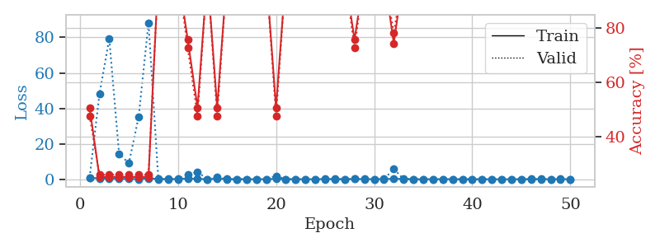
0.30499677943 | 11.999906291 | 0.2527173913 | 0.26086956522 | 1.1489531994 | 25.27173913 | 26.086956522
0.32064692951 | 247.63501574 | 0.2527173913 | 0.26086956522 | 1.1515271664 | 25.27173913 | 26.086956522
0.2161456089 | 25.347492964 | 0.2527173913 | 0.26086956522 | 1.1507997513 | 25.27173913 | 26.086956522
0.11093166726 | 0.82613009992 | 0.50815217391 | 0.47826086957 | 1.1515784264 | 50.815217391 | 47.826086957
0.28681455992 | 7.3559855793 | 0.50815217391 | 0.47826086957 | 1.1509861946 | 50.815217391 | 47.826086957
0.21532546818 | 38.91956462 | 0.2527173913 | 0.26086956522 | 1.1506330967 | 25.27173913 | 26.086956522
0.29862937898 | 20.115474784 | 0.2527173913 | 0.26086956522 | 1.1504883766 | 25.27173913 | 26.086956522
0.23860672305 | 11.860490011 | 0.2527173913 | 0.26086956522 | 1.1502611637 | 25.27173913 | 26.086956522
0.089693599117 | 0.026982971346 | 1 | 1 | 1.1504092216 | 100 | 100
0.40095171139 | 3.9373713473 | 0.5027173913 | 0.51086956522 | 1.1513094902 | 50.27173913 | 51.086956522
0.27278016815 | 0.13934853738 | 1 | 1 | 1.1521618366 | 100 | 100
0.30392515255 | 0.092420776253 | 1 | 1 | 1.1496577263 | 100 | 100
0.077046199454 | 0.027528052502 | 1 | 1 | 1.1517426968 | 100 | 100
0.37998767503 | 1.1213351359 | 0.75815217391 | 0.72826086957 | 1.1506109238 | 75.815217391 | 72.826086957
0.10067625214 | 5.7271595623 | 0.74456521739 | 0.78260869565 | 1.1519436836 | 74.456521739 | 78.260869565
0.13949604343 | 0.0078436147988 | 1 | 1 | 1.1512479782 | 100 | 100
0.26390786198 | 0.48807656765 | 0.75815217391 | 0.72826086957 | 1.1521832943 | 75.815217391 | 72.826086957
0.2571649336 | 0.055691264408 | 1 | 1 | 1.1507437229 | 100 | 100
0.03387556959 | 0.0054601140766 | 1 | 1 | 1.1519875526 | 100 | 100
0.038550202391 | 0.0035490497299 | 1 | 1 | 1.1509609222 | 100 | 100
0.06851916417 | 0.0044741483365 | 1 | 1 | 1.152837038 | 100 | 100
0.20266759052 | 13.142229329 | 0.74456521739 | 0.78260869565 | 1.1513869762 | 74.456521739 | 78.260869565
0.077671984342 | 0.028557149612 | 1 | 1 | 1.1528303623 | 100 | 100
0.11489615075 | 0.0055058894719 | 1 | 1 | 1.151986599 | 100 | 100
0.061571989279 | 0.007580744872 | 1 | 1 | 1.1502127647 | 100 | 100
0.15262184729 | 0.0028058377439 | 1 | 1 | 1.1505858898 | 100 | 100
0.034045127954 | 0.0092195664006 | 1 | 1 | 1.1534054279 | 100 | 100
0.061132135624 | 0.0021113981898 | 1 | 1 | 1.1516230106 | 100 | 100
0.025734610562 | 0.004458482357 | 1 | 1 | 1.1527941227 | 100 | 100
0.08014653529 | 0.015527970036 | 1 | 1 | 1.1523633003 | 100 | 100
0.046325001957 | 0.0026575250288 | 1 | 1 | 1.1528041363 | 100 | 100
0.020480536486 | 0.002323146292 | 1 | 1 | 1.1536133289 | 100 | 100
0.017618350471 | 0.0017345589079 | 1 | 1 | 1.1524960995 | 100 | 100
0.03045015894 | 0.0031733678492 | 1 | 1 | 1.1522009373 | 100 | 100
0.01079780597 | 0.0017039366573 | 1 | 1 | 1.1537387371 | 100 | 100
0.012748615563 | 0.0016525015437 | 1 | 1 | 1.1519918442 | 100 | 100
0.0057621698867 | 0.0012101718306 | 1 | 1 | 1.1517248154 | 100 | 100
0.27722721178 | 0.00094718003706 | 1 | 1 | 1.1536183357 | 100 | 100
0.029891037041 | 0.0018708316771 | 1 | 1 | 1.1530234814 | 100 | 100
0.0055571293949 | 0.0012885827126 | 1 | 1 | 1.1520073414 | 100 | 100
0.019869215797 | 0.0016968048522 | 1 | 1 | 1.1515967846 | 100 | 100
0.021461452728 | 0.0013849755658 | 1 | 1 | 1.1521282196 | 100 | 100
0.055507704555 | 0.0010501357889 | 1 | 1 | 1.1517848969 | 100 | 100
0.011105449764 | 0.0012053952947 | 1 | 1 | 1.1509931087 | 100 | 100
0.18153536778 | 0.0011062666409 | 1 | 1 | 1.152371645 | 100 | 100
0.0095319494544 | 0.0010219529504 | 1 | 1 | 1.1532466412 | 100 | 100
0.0054903610372 | 0.0011227220783 | 1 | 1 | 1.1524751186 | 100 | 100
0.010063868836 | 0.0011797524867 | 1 | 1 | 1.1529588699 | 100 | 100

Best Val accuracy is 1.0 and Best test accuracy is 1.0

Sheet3
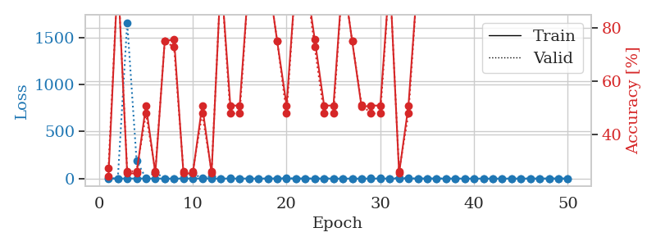
train_loss | valid_loss | train_accuracy | valid_accuracy | dur | train_misclass | valid_misclass
1.0365653219 | 71.594996245 | 0.2527173913 | 0.26086956522 | 1.152826786 | 25.27173913 | 26.086956522
0.57124433634 | 158.60025489 | 0.2527173913 | 0.26086956522 | 1.146897316 | 25.27173913 | 26.086956522
0.33795067862 | 0.092446143213 | 1 | 1 | 1.1449220181 | 100 | 100
0.46930415572 | 158.27085744 | 0.2527173913 | 0.26086956522 | 1.1463389397 | 25.27173913 | 26.086956522
0.52734484208 | 116.77626933 | 0.2527173913 | 0.26086956522 | 1.1446330547 | 25.27173913 | 26.086956522
0.20706256309 | 11.077123559 | 0.2527173913 | 0.26086956522 | 1.1456613541 | 25.27173913 | 26.086956522
0.28709615743 | 7.6577881523 | 0.74456521739 | 0.78260869565 | 1.144210577 | 74.456521739 | 78.260869565
0.098659258963 | 3.5696232008 | 0.74456521739 | 0.78260869565 | 1.1454024315 | 74.456521739 | 78.260869565
0.39654093531 | 230.3244463 | 0.2527173913 | 0.26086956522 | 1.1454339027 | 25.27173913 | 26.086956522
0.22410468407 | 3.9822694115 | 0.74456521739 | 0.78260869565 | 1.1454195976 | 74.456521739 | 78.260869565
0.40054493138 | 27.129263919 | 0.2527173913 | 0.26086956522 | 1.1464767456 | 25.27173913 | 26.086956522
0.1116977298 | 12.173012194 | 0.2527173913 | 0.26086956522 | 1.1463193893 | 25.27173913 | 26.086956522
0.092180844255 | 4.184294172 | 0.74456521739 | 0.78260869565 | 1.1457297802 | 74.456521739 | 78.260869565
0.083316178102 | 0.028125413329 | 1 | 1 | 1.1463119984 | 100 | 100
0.32024660683 | 13.657708168 | 0.2527173913 | 0.26086956522 | 1.1460106373 | 25.27173913 | 26.086956522
0.61452471044 | 191.30108112 | 0.2527173913 | 0.26086956522 | 1.1463267803 | 25.27173913 | 26.086956522
0.23377288125 | 0.061731128913 | 1 | 1 | 1.1463348866 | 100 | 100
0.087306681535 | 0.0076690618273 | 1 | 1 | 1.145665884 | 100 | 100
0.11087799331 | 0.0063050487079 | 1 | 1 | 1.1464555264 | 100 | 100
0.29949212889 | 0.062956084538 | 1 | 1 | 1.1459259987 | 100 | 100
0.16201421035 | 0.17810912236 | 1 | 1 | 1.1460955143 | 100 | 100
0.1602872802 | 2.9876739668 | 0.5027173913 | 0.51086956522 | 1.1465620995 | 50.27173913 | 51.086956522
0.26010001738 | 2.3575555397 | 0.75815217391 | 0.72826086957 | 1.1468026638 | 75.815217391 | 72.826086957
0.61442846036 | 0.43378890079 | 0.75815217391 | 0.72826086957 | 1.1461625099 | 75.815217391 | 72.826086957
0.1366020045 | 0.034964460232 | 1 | 1 | 1.1464352608 | 100 | 100
0.035396059651 | 0.0082585029304 | 1 | 1 | 1.146989584 | 100 | 100
0.064381166432 | 0.009365945852 | 1 | 1 | 1.146105051 | 100 | 100
0.058947597296 | 0.0044754854626 | 1 | 1 | 1.1466021538 | 100 | 100
0.078900219954 | 0.0055301597787 | 1 | 1 | 1.1466641426 | 100 | 100
0.20604817789 | 0.0049589981487 | 1 | 1 | 1.147298336 | 100 | 100
0.10397088017 | 0.039921793277 | 1 | 1 | 1.1475701332 | 100 | 100
0.047602139089 | 0.01550762161 | 1 | 1 | 1.1476378441 | 100 | 100
0.12639738854 | 0.016178236383 | 1 | 1 | 1.1464884281 | 100 | 100
0.047901588249 | 0.0058192632404 | 1 | 1 | 1.1497216225 | 100 | 100
0.041015007523 | 0.0056730602139 | 1 | 1 | 1.1514618397 | 100 | 100
0.019205559329 | 0.0036838093327 | 1 | 1 | 1.1518819332 | 100 | 100
0.12454962257 | 0.0025829555386 | 1 | 1 | 1.1517753601 | 100 | 100
0.070311634012 | 0.0036639314975 | 1 | 1 | 1.1518037319 | 100 | 100
0.05311276458 | 0.0048432441469 | 1 | 1 | 1.1523449421 | 100 | 100
0.01963429975 | 0.0027129946621 | 1 | 1 | 1.151473999 | 100 | 100
0.0089007880255 | 0.0026010148652 | 1 | 1 | 1.1520593166 | 100 | 100
0.12465529196 | 0.0040357291456 | 1 | 1 | 1.1517825127 | 100 | 100
0.055691112865 | 0.0022616240743 | 1 | 1 | 1.1527500153 | 100 | 100
0.098669166292 | 0.0023015747555 | 1 | 1 | 1.1520822048 | 100 | 100
0.020826578738 | 0.0025301191288 | 1 | 1 | 1.1526503563 | 100 | 100
0.012163401359 | 0.002704199029 | 1 | 1 | 1.1517984867 | 100 | 100
0.030594079006 | 0.0024389294077 | 1 | 1 | 1.1522781849 | 100 | 100
0.054061178857 | 0.0021667448986 | 1 | 1 | 1.1523151398 | 100 | 100
0.019649389514 | 0.0022215253228 | 1 | 1 | 1.1523010731 | 100 | 100
0.21255228584 | 0.0020886087163 | 1 | 1 | 1.152575016 | 100 | 100

Best Val accuracy is 1.0 and Best test accuracy is 1.0
train_loss | valid_loss | train_accuracy | valid_accuracy | dur | train_misclass | valid_misclass
1.1587874708 | 2.1646886079 | 0.24184782609 | 0.27173913043 | 1.1532874107 | 24.184782609 | 27.173913043
0.54850561399 | 0.3452007615 | 1 | 1 | 1.1500105858 | 100 | 100
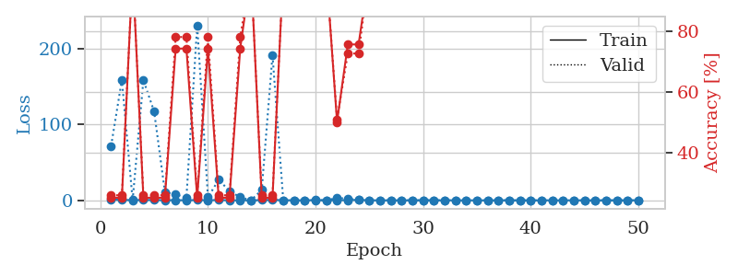
0.33599037094 | 1661.6622368 | 0.2527173913 | 0.26086956522 | 1.1535606384 | 25.27173913 | 26.086956522
0.41317322494 | 190.09150032 | 0.2527173913 | 0.26086956522 | 1.1478214264 | 25.27173913 | 26.086956522
0.20822164684 | 2.836846787 | 0.50815217391 | 0.47826086957 | 1.1486973763 | 50.815217391 | 47.826086957
0.27762156701 | 65.827999447 | 0.2527173913 | 0.26086956522 | 1.1487028599 | 25.27173913 | 26.086956522
0.10660697884 | 0.75688532124 | 0.75 | 0.75 | 1.1522257328 | 75 | 75
0.084533140266 | 0.38207666641 | 0.75815217391 | 0.72826086957 | 1.1496918201 | 75.815217391 | 72.826086957
0.48353510332 | 6.0266916234 | 0.2527173913 | 0.26086956522 | 1.1513786316 | 25.27173913 | 26.086956522
0.32139972905 | 54.733837459 | 0.2527173913 | 0.26086956522 | 1.1473455429 | 25.27173913 | 26.086956522
0.50346991404 | 2.2674457249 | 0.50815217391 | 0.47826086957 | 1.1479728222 | 50.815217391 | 47.826086957
0.26135890024 | 27.24936618 | 0.2527173913 | 0.26086956522 | 1.1485300064 | 25.27173913 | 26.086956522
0.086560772286 | 0.053804237072 | 1 | 1 | 1.1503789425 | 100 | 100
0.62921095006 | 2.1325343484 | 0.50815217391 | 0.47826086957 | 1.1508824825 | 50.815217391 | 47.826086957
0.30032612258 | 1.6686032129 | 0.50815217391 | 0.47826086957 | 1.1485099792 | 50.815217391 | 47.826086957
0.24533845873 | 0.036575388325 | 1 | 1 | 1.1484856606 | 100 | 100
0.1040728653 | 0.01311185956 | 1 | 1 | 1.1480059624 | 100 | 100
0.10410716332 | 0.011475079531 | 1 | 1 | 1.1493244171 | 100 | 100
0.12874471459 | 0.41381055894 | 0.75 | 0.75 | 1.1513829231 | 75 | 75
0.29619209565 | 3.9923193869 | 0.50815217391 | 0.47826086957 | 1.1502964497 | 50.815217391 | 47.826086957
0.0312834887 | 0.049861426749 | 1 | 1 | 1.1514708996 | 100 | 100
0.069229476943 | 0.041014253445 | 1 | 1 | 1.150826931 | 100 | 100
0.11080492138 | 1.081183786 | 0.75815217391 | 0.72826086957 | 1.1516368389 | 75.815217391 | 72.826086957
0.083863498157 | 0.9460289867 | 0.50815217391 | 0.47826086957 | 1.1518177986 | 50.815217391 | 47.826086957
0.063255016682 | 1.1220819535 | 0.50815217391 | 0.47826086957 | 1.1518411636 | 50.815217391 | 47.826086957
0.11171856401 | 0.011975854473 | 1 | 1 | 1.1512730122 | 100 | 100
0.074344703675 | 0.73147406526 | 0.75 | 0.75 | 1.1516766548 | 75 | 75
0.14341741679 | 1.4028061369 | 0.5027173913 | 0.51086956522 | 1.1492621899 | 50.27173913 | 51.086956522
0.057191811856 | 2.2958313175 | 0.50815217391 | 0.47826086957 | 1.1503641605 | 50.815217391 | 47.826086957
0.079737176015 | 3.0007595083 | 0.50815217391 | 0.47826086957 | 1.1511011124 | 50.815217391 | 47.826086957
0.077823143007 | 0.065649518662 | 1 | 1 | 1.1500380039 | 100 | 100
0.081860791861 | 9.0081013804 | 0.2527173913 | 0.26086956522 | 1.1513156891 | 25.27173913 | 26.086956522
0.07922785715 | 2.3941616494 | 0.50815217391 | 0.47826086957 | 1.151665926 | 50.815217391 | 47.826086957
0.04605541437 | 0.027154217596 | 1 | 1 | 1.1522884369 | 100 | 100
0.025948352717 | 0.046282159569 | 1 | 1 | 1.1526412964 | 100 | 100
0.035730206772 | 0.027055427351 | 1 | 1 | 1.1511180401 | 100 | 100
0.024013128228 | 0.014802124392 | 1 | 1 | 1.1520557404 | 100 | 100
0.014592202785 | 0.0027495496299 | 1 | 1 | 1.1525394917 | 100 | 100
0.073899834123 | 0.056791338746 | 1 | 1 | 1.1521708965 | 100 | 100
0.074104352024 | 0.0033618831379 | 1 | 1 | 1.1521141529 | 100 | 100
0.018511857574 | 0.0019353867772 | 1 | 1 | 1.1528866291 | 100 | 100
0.10953877998 | 0.040704226202 | 1 | 1 | 1.1526837349 | 100 | 100
0.013820202682 | 0.0039619680332 | 1 | 1 | 1.1524629593 | 100 | 100
0.15075536922 | 0.0014269069475 | 1 | 1 | 1.1527984142 | 100 | 100
0.090258830252 | 0.0016110636668 | 1 | 1 | 1.1512870789 | 100 | 100
0.023229878315 | 0.0018186763577 | 1 | 1 | 1.1525285244 | 100 | 100
0.015692840103 | 0.001430428926 | 1 | 1 | 1.1525759697 | 100 | 100
0.071088075704 | 0.0016723982129 | 1 | 1 | 1.1515614986 | 100 | 100
0.028436050887 | 0.0014899386974 | 1 | 1 | 1.154282093 | 100 | 100
0.015672143741 | 0.0016595431269 | 1 | 1 | 1.1541452408 | 100 | 100

Best Val accuracy is 1.0 and Best test accuracy is 1.0

Sheet4
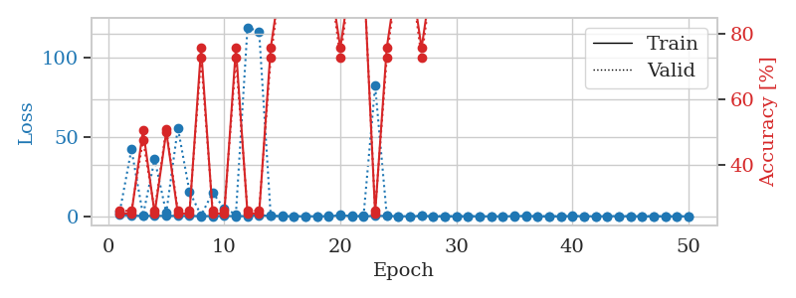
train_loss | valid_loss | train_accuracy | valid_accuracy | dur | train_misclass | valid_misclass
0.95016246516 | 62.13113254 | 0.2527173913 | 0.26086956522 | 1.1477537155 | 25.27173913 | 26.086956522
0.4546913686 | 7.9467690924 | 0.25543478261 | 0.21739130435 | 1.1469583511 | 25.543478261 | 21.739130435
0.24878666323 | 16.458492279 | 0.24184782609 | 0.27173913043 | 1.1446683407 | 24.184782609 | 27.173913043
0.71499373116 | 3.3707121973 | 0.75815217391 | 0.72826086957 | 1.1463820934 | 75.815217391 | 72.826086957
0.32369978013 | 2.8480683306 | 0.50815217391 | 0.47826086957 | 1.1457650661 | 50.815217391 | 47.826086957
0.40410947427 | 12.312946361 | 0.25 | 0.25 | 1.1446287632 | 25 | 25
0.29424589759 | 38.464505901 | 0.2527173913 | 0.26086956522 | 1.1454327106 | 25.27173913 | 26.086956522
0.10759699377 | 0.023539217594 | 1 | 1 | 1.1459662914 | 100 | 100
0.24488037361 | 0.2599260671 | 0.92663043478 | 1 | 1.1466667652 | 92.663043478 | 100
0.20389795394 | 1.8631631343 | 0.74456521739 | 0.78260869565 | 1.1454691887 | 74.456521739 | 78.260869565
0.26605035727 | 4.0692315413 | 0.2527173913 | 0.26086956522 | 1.1460719109 | 25.27173913 | 26.086956522
0.23440217798 | 0.074096126401 | 1 | 1 | 1.1452627182 | 100 | 100
0.15257008358 | 0.012556411164 | 1 | 1 | 1.1469094753 | 100 | 100
0.022134228326 | 0.0028906089314 | 1 | 1 | 1.1463160515 | 100 | 100
0.084046909677 | 0.0058095826788 | 1 | 1 | 1.1479001045 | 100 | 100
0.19129487618 | 0.13760842156 | 1 | 1 | 1.1462237835 | 100 | 100
0.059890653447 | 23.466408108 | 0.2527173913 | 0.26086956522 | 1.1469333172 | 25.27173913 | 26.086956522
0.071942813689 | 0.19289508397 | 1 | 1 | 1.1466546059 | 100 | 100
0.050930053861 | 0.018796341413 | 1 | 1 | 1.1467416286 | 100 | 100
0.19043949044 | 23.698092336 | 0.2527173913 | 0.26086956522 | 1.1472809315 | 25.27173913 | 26.086956522
0.21808867134 | 0.66691289389 | 0.75815217391 | 0.72826086957 | 1.1479687691 | 75.815217391 | 72.826086957
0.15878649073 | 0.012306372271 | 1 | 1 | 1.1495070457 | 100 | 100
0.15129360716 | 0.0044292505709 | 1 | 1 | 1.1470518112 | 100 | 100
0.14580012418 | 0.0042441415439 | 1 | 1 | 1.148119688 | 100 | 100
0.01874816069 | 0.0022802366571 | 1 | 1 | 1.146835804 | 100 | 100
0.040004228799 | 0.003096661824 | 1 | 1 | 1.1478002071 | 100 | 100
0.01464769793 | 0.00077801646472 | 1 | 1 | 1.1475119591 | 100 | 100
0.077553324939 | 4.6044621157 | 0.5027173913 | 0.51086956522 | 1.1481630802 | 50.27173913 | 51.086956522
0.05112770076 | 0.043118381144 | 1 | 1 | 1.1478569508 | 100 | 100
0.016390289038 | 0.001839695549 | 1 | 1 | 1.1480183601 | 100 | 100
0.032253375166 | 0.001534761537 | 1 | 1 | 1.148778677 | 100 | 100
0.052205046449 | 0.0017607538789 | 1 | 1 | 1.1479809284 | 100 | 100
0.017899955828 | 0.0014213468556 | 1 | 1 | 1.1488311291 | 100 | 100
0.090978650872 | 13.295053524 | 0.49184782609 | 0.52173913043 | 1.1488754749 | 49.184782609 | 52.173913043
0.16486248827 | 0.005913799082 | 1 | 1 | 1.1499917507 | 100 | 100
0.13749746542 | 0.0016180741165 | 1 | 1 | 1.1491627693 | 100 | 100
0.081822731646 | 0.0047280792876 | 1 | 1 | 1.148982048 | 100 | 100
0.023571611078 | 0.00094665446744 | 1 | 1 | 1.1485469341 | 100 | 100
0.029976722891 | 0.0010984098923 | 1 | 1 | 1.1491620541 | 100 | 100
0.017440329394 | 0.0012020017628 | 1 | 1 | 1.1479132175 | 100 | 100
0.2140947818 | 0.0010625966217 | 1 | 1 | 1.1501648426 | 100 | 100
0.018465630101 | 0.001052811919 | 1 | 1 | 1.152766943 | 100 | 100
0.01418113461 | 0.001128106378 | 1 | 1 | 1.1532299519 | 100 | 100
0.010923163859 | 0.0010592001338 | 1 | 1 | 1.1531307697 | 100 | 100
0.011091726521 | 0.00081745622194 | 1 | 1 | 1.1536066532 | 100 | 100
0.052937683275 | 0.0010473847227 | 1 | 1 | 1.1528627872 | 100 | 100
0.020930186699 | 0.00080334535122 | 1 | 1 | 1.1533641815 | 100 | 100
0.023551311236 | 0.00083039822968 | 1 | 1 | 1.1528420448 | 100 | 100
0.046827112681 | 0.00070413699849 | 1 | 1 | 1.1525697708 | 100 | 100
0.018419658831 | 0.00079671910751 | 1 | 1 | 1.1527590752 | 100 | 100

Best Val accuracy is 1.0 and Best test accuracy is 1.0
train_loss | valid_loss | train_accuracy | valid_accuracy | dur | train_misclass | valid_misclass
0.8913031039 | 3.1046002326 | 0.2527173913 | 0.26086956522 | 1.15193367 | 25.27173913 | 26.086956522
0.42286543807 | 42.362958162 | 0.2527173913 | 0.26086956522 | 1.1525199413 | 25.27173913 | 26.086956522
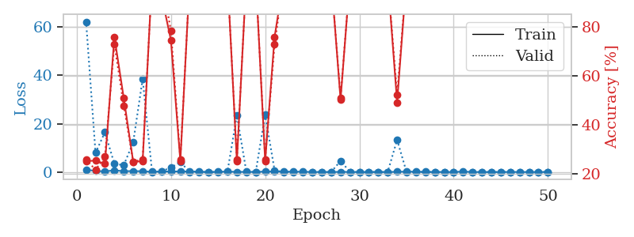
0.27427388728 | 0.75010250962 | 0.50815217391 | 0.47826086957 | 1.1488656998 | 50.815217391 | 47.826086957
0.268307767 | 36.014229318 | 0.2527173913 | 0.26086956522 | 1.150822401 | 25.27173913 | 26.086956522
0.32900037657 | 2.0682288719 | 0.5027173913 | 0.51086956522 | 1.1475028992 | 50.27173913 | 51.086956522
0.20772780915 | 55.852167378 | 0.2527173913 | 0.26086956522 | 1.150632143 | 25.27173913 | 26.086956522
0.22874457106 | 15.61049905 | 0.2527173913 | 0.26086956522 | 1.1483995914 | 25.27173913 | 26.086956522
0.14155514526 | 0.64640116951 | 0.75815217391 | 0.72826086957 | 1.1490936279 | 75.815217391 | 72.826086957
0.13149415996 | 14.917761098 | 0.2527173913 | 0.26086956522 | 1.1498022079 | 25.27173913 | 26.086956522
0.2370886582 | 4.8665072089 | 0.2527173913 | 0.26086956522 | 1.1488876343 | 25.27173913 | 26.086956522
0.087731027166 | 1.2540079718 | 0.75815217391 | 0.72826086957 | 1.1484467983 | 75.815217391 | 72.826086957
0.13173159876 | 119.35943968 | 0.2527173913 | 0.26086956522 | 1.1482977867 | 25.27173913 | 26.086956522
0.67088943252 | 116.77347299 | 0.2527173913 | 0.26086956522 | 1.1487653255 | 25.27173913 | 26.086956522
0.24782812458 | 0.34774179303 | 0.75815217391 | 0.72826086957 | 1.1491510868 | 75.815217391 | 72.826086957
0.17280294669 | 0.0061901129742 | 1 | 1 | 1.1478571892 | 100 | 100
0.046850016503 | 0.013174035951 | 1 | 1 | 1.1500325203 | 100 | 100
0.048069163944 | 0.0076982118999 | 1 | 1 | 1.1468405724 | 100 | 100
0.039160845568 | 0.0030289573858 | 1 | 1 | 1.1482489109 | 100 | 100
0.11832699694 | 0.25739565297 | 0.9972826087 | 1 | 1.14904356 | 99.72826087 | 100
0.5531527765 | 1.0806264333 | 0.75815217391 | 0.72826086957 | 1.1489291191 | 75.815217391 | 72.826086957
0.20788397822 | 0.024953213237 | 1 | 1 | 1.1498770714 | 100 | 100
0.049054291363 | 0.22887908959 | 1 | 1 | 1.149721384 | 100 | 100
0.26000189686 | 82.411680139 | 0.2527173913 | 0.26086956522 | 1.1492688656 | 25.27173913 | 26.086956522
0.27933053474 | 0.77398833373 | 0.75815217391 | 0.72826086957 | 1.1478550434 | 75.815217391 | 72.826086957
0.081594453578 | 0.016975178586 | 1 | 1 | 1.1488547325 | 100 | 100
0.036074860852 | 0.0064692350671 | 1 | 1 | 1.1488626003 | 100 | 100
0.22087010859 | 0.22692762963 | 0.75815217391 | 0.72826086957 | 1.1496374607 | 75.815217391 | 72.826086957
0.027857382731 | 0.0048218074903 | 1 | 1 | 1.1501998901 | 100 | 100
0.040968946687 | 0.062791024861 | 1 | 1 | 1.1482572556 | 100 | 100
0.040633345893 | 0.0058694739178 | 1 | 1 | 1.1481349468 | 100 | 100
0.093567552035 | 0.053753802148 | 1 | 1 | 1.1496632099 | 100 | 100
0.034675346576 | 0.0059297373923 | 1 | 1 | 1.1492879391 | 100 | 100
0.0097014610959 | 0.0029370095986 | 1 | 1 | 1.1490445137 | 100 | 100
0.068411047555 | 0.10674344327 | 1 | 1 | 1.1492445469 | 100 | 100
0.078737520269 | 0.18082526553 | 1 | 1 | 1.1492102146 | 100 | 100
0.2801338409 | 0.044119361464 | 1 | 1 | 1.1503548622 | 100 | 100
0.041108432702 | 0.0047256699358 | 1 | 1 | 1.1514570713 | 100 | 100
0.0081616864013 | 0.0031674764949 | 1 | 1 | 1.1526916027 | 100 | 100
0.019285908516 | 0.0030995905096 | 1 | 1 | 1.1488029957 | 100 | 100
0.19731079069 | 0.01400927353 | 1 | 1 | 1.1510062218 | 100 | 100
0.10114757761 | 0.0041496842168 | 1 | 1 | 1.1502046585 | 100 | 100
0.021946753426 | 0.0034328900359 | 1 | 1 | 1.151869297 | 100 | 100
0.13920248877 | 0.0069725514471 | 1 | 1 | 1.1537885666 | 100 | 100
0.11106392331 | 0.0036921364296 | 1 | 1 | 1.1532945633 | 100 | 100
0.071809359411 | 0.003001419139 | 1 | 1 | 1.1540105343 | 100 | 100
0.013995363063 | 0.0030669874977 | 1 | 1 | 1.1530940533 | 100 | 100
0.067174895363 | 0.0032305521992 | 1 | 1 | 1.1528468132 | 100 | 100
0.01166270404 | 0.0030089269352 | 1 | 1 | 1.1530902386 | 100 | 100
0.029145568133 | 0.0030328599007 | 1 | 1 | 1.1539332867 | 100 | 100
0.020741791495 | 0.0032844340186 | 1 | 1 | 1.153475523 | 100 | 100

Best Val accuracy is 1.0 and Best test accuracy is 1.0

Sheet5
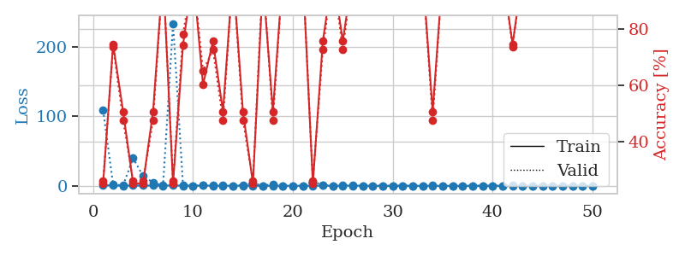
train_loss | valid_loss | train_accuracy | valid_accuracy | dur | train_misclass | valid_misclass
0.92367405088 | 108.47980765 | 0.2527173913 | 0.26086956522 | 1.1520290375 | 25.27173913 | 26.086956522
0.36476341473 | 1.662870998 | 0.7472826087 | 0.73913043478 | 1.1492927074 | 74.72826087 | 73.913043478
0.22544043058 | 0.71213589544 | 0.50815217391 | 0.47826086957 | 1.1510252953 | 50.815217391 | 47.826086957
0.41378794951 | 39.582194287 | 0.2527173913 | 0.26086956522 | 1.15056777 | 25.27173913 | 26.086956522
0.30823400924 | 14.064207948 | 0.2527173913 | 0.26086956522 | 1.1508948803 | 25.27173913 | 26.086956522
0.34595312162 | 4.8427119877 | 0.50815217391 | 0.47826086957 | 1.1528124809 | 50.815217391 | 47.826086957
0.30771770004 | 0.04029754695 | 1 | 1 | 1.1499538422 | 100 | 100
0.54329627056 | 233.17837856 | 0.2527173913 | 0.26086956522 | 1.1509327888 | 25.27173913 | 26.086956522
0.28465364477 | 0.44530779382 | 0.74456521739 | 0.78260869565 | 1.1516296864 | 74.456521739 | 78.260869565
0.23798669616 | 0.15028253198 | 1 | 1 | 1.1497125626 | 100 | 100
0.3534406228 | 0.45877430491 | 0.60326086957 | 0.65217391304 | 1.1527812481 | 60.326086957 | 65.217391304
0.17798603591 | 1.2989494697 | 0.75815217391 | 0.72826086957 | 1.1526179314 | 75.815217391 | 72.826086957
0.12303198032 | 1.4824461574 | 0.50815217391 | 0.47826086957 | 1.1545374393 | 50.815217391 | 47.826086957
0.084002764207 | 0.01429764153 | 1 | 1 | 1.1519091129 | 100 | 100
0.23085231524 | 1.2137660928 | 0.50815217391 | 0.47826086957 | 1.1514818668 | 50.815217391 | 47.826086957
0.15010617532 | 3.6392316818 | 0.2527173913 | 0.26086956522 | 1.1533727646 | 25.27173913 | 26.086956522
0.052044363551 | 0.27066707611 | 0.97282608696 | 1 | 1.1528058052 | 97.282608696 | 100
0.067434071037 | 2.4964978332 | 0.50815217391 | 0.47826086957 | 1.1514663696 | 50.815217391 | 47.826086957
0.15594975329 | 0.10913460799 | 1 | 1 | 1.1525771618 | 100 | 100
0.083833633517 | 0.016970889481 | 1 | 1 | 1.1517894268 | 100 | 100
0.097160568157 | 0.18002574275 | 1 | 1 | 1.1551651955 | 100 | 100
0.14355121101 | 6.2002141579 | 0.2527173913 | 0.26086956522 | 1.1550822258 | 25.27173913 | 26.086956522
0.31713746603 | 1.0652539808 | 0.75815217391 | 0.72826086957 | 1.1524102688 | 75.815217391 | 72.826086957
0.047546671218 | 0.08964638574 | 1 | 1 | 1.1543874741 | 100 | 100
0.16809877391 | 0.75935359753 | 0.75815217391 | 0.72826086957 | 1.1527676582 | 75.815217391 | 72.826086957
0.34660358944 | 0.019350662099 | 1 | 1 | 1.1531298161 | 100 | 100
0.11254155196 | 0.088638800642 | 1 | 1 | 1.1533651352 | 100 | 100
0.046165719315 | 0.29000153749 | 1 | 1 | 1.1537065506 | 100 | 100
0.019895762352 | 0.0037956113077 | 1 | 1 | 1.1535820961 | 100 | 100
0.026931609295 | 0.0029077020211 | 1 | 1 | 1.1543345451 | 100 | 100
0.060068307424 | 0.0047510689853 | 1 | 1 | 1.1544079781 | 100 | 100
0.014171806055 | 0.011983793067 | 1 | 1 | 1.1541104317 | 100 | 100
0.0058064240122 | 0.003617978675 | 1 | 1 | 1.1536605358 | 100 | 100
0.043121590021 | 0.71753612809 | 0.50815217391 | 0.47826086957 | 1.1530163288 | 50.815217391 | 47.826086957
0.0042895860641 | 0.008641681067 | 1 | 1 | 1.1532320976 | 100 | 100
0.011456025344 | 0.0017815995253 | 1 | 1 | 1.155807972 | 100 | 100
0.014113755396 | 0.0078076771663 | 1 | 1 | 1.1540548801 | 100 | 100
0.019940429921 | 0.0021363809077 | 1 | 1 | 1.153575182 | 100 | 100
0.013062288266 | 0.0059908240548 | 1 | 1 | 1.1535568237 | 100 | 100
0.029882667961 | 0.16034339563 | 1 | 1 | 1.1542658806 | 100 | 100
0.01050057061 | 0.0024296095615 | 1 | 1 | 1.154419899 | 100 | 100
0.064608658517 | 0.67075990076 | 0.7472826087 | 0.73913043478 | 1.1530077457 | 74.72826087 | 73.913043478
0.044110884723 | 0.028428587091 | 1 | 1 | 1.1535866261 | 100 | 100
0.11467900104 | 0.0017778064509 | 1 | 1 | 1.1543819904 | 100 | 100
0.074576891075 | 0.0014593788757 | 1 | 1 | 1.1546647549 | 100 | 100
0.011698548884 | 0.0023058062399 | 1 | 1 | 1.1536822319 | 100 | 100
0.0061290350302 | 0.0016831541636 | 1 | 1 | 1.1557917595 | 100 | 100
0.05067821073 | 0.0014697763785 | 1 | 1 | 1.1538302898 | 100 | 100
0.0070465808259 | 0.0015757278104 | 1 | 1 | 1.152333498 | 100 | 100
0.011601642096 | 0.0021919930738 | 1 | 1 | 1.1539218426 | 100 | 100

Best Val accuracy is 1.0 and Best test accuracy is 1.0

Sheet6
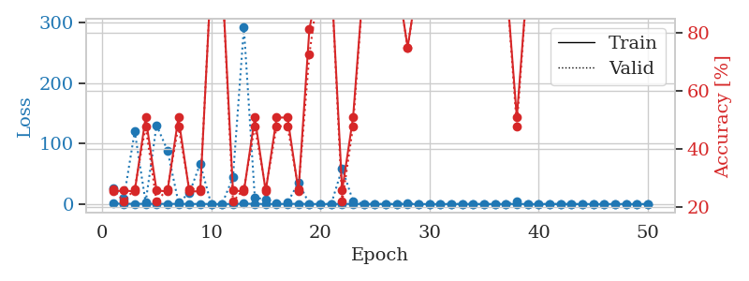
train_loss | valid_loss | train_accuracy | valid_accuracy | dur | train_misclass | valid_misclass
0.97933730742 | 26.29259889 | 0.2527173913 | 0.26086956522 | 1.1529486179 | 25.27173913 | 26.086956522
0.42374601183 | 8.8246010075 | 0.25543478261 | 0.21739130435 | 1.1503539085 | 25.543478261 | 21.739130435
0.41890771817 | 120.43716796 | 0.2527173913 | 0.26086956522 | 1.1497812271 | 25.27173913 | 26.086956522
0.32464353724 | 2.792527572 | 0.50815217391 | 0.47826086957 | 1.149115324 | 50.815217391 | 47.826086957
0.36203309894 | 130.47939665 | 0.25543478261 | 0.21739130435 | 1.151238203 | 25.543478261 | 21.739130435
0.27590901032 | 88.899761698 | 0.2527173913 | 0.26086956522 | 1.1495931149 | 25.27173913 | 26.086956522
0.32042080083 | 2.9538872242 | 0.50815217391 | 0.47826086957 | 1.151365757 | 50.815217391 | 47.826086957
0.15736150491 | 17.712478223 | 0.2527173913 | 0.26086956522 | 1.1532239914 | 25.27173913 | 26.086956522
0.17638614037 | 66.749013486 | 0.2527173913 | 0.26086956522 | 1.1519196033 | 25.27173913 | 26.086956522
0.1198335362 | 0.073499058576 | 1 | 1 | 1.1502146721 | 100 | 100
0.056639900876 | 0.0089055184356 | 1 | 1 | 1.1515920162 | 100 | 100
0.20788330747 | 44.272724152 | 0.25543478261 | 0.21739130435 | 1.1510922909 | 25.543478261 | 21.739130435
0.59835512608 | 292.3323895 | 0.2527173913 | 0.26086956522 | 1.1509144306 | 25.27173913 | 26.086956522
0.2861608198 | 10.861092941 | 0.50815217391 | 0.47826086957 | 1.1492726803 | 50.815217391 | 47.826086957
0.10866291651 | 7.5363272584 | 0.2527173913 | 0.26086956522 | 1.1502203941 | 25.27173913 | 26.086956522
0.11016600093 | 1.8264735315 | 0.50815217391 | 0.47826086957 | 1.1492624283 | 50.815217391 | 47.826086957
0.21346641032 | 2.4736631124 | 0.50815217391 | 0.47826086957 | 1.1502492428 | 50.815217391 | 47.826086957
0.40484753891 | 35.407372848 | 0.2527173913 | 0.26086956522 | 1.1485829353 | 25.27173913 | 26.086956522
0.16726165346 | 0.22131019377 | 0.8152173913 | 0.72826086957 | 1.1502988338 | 81.52173913 | 72.826086957
0.065771462517 | 0.027291080064 | 1 | 1 | 1.1501703262 | 100 | 100
0.083499287761 | 0.13472676212 | 1 | 1 | 1.1508567333 | 100 | 100
0.24978564651 | 58.963075223 | 0.25543478261 | 0.21739130435 | 1.1504814625 | 25.543478261 | 21.739130435
0.16854982732 | 4.7833191208 | 0.50815217391 | 0.47826086957 | 1.1491961479 | 50.815217391 | 47.826086957
0.061662618537 | 0.0095908984785 | 1 | 1 | 1.1507415771 | 100 | 100
0.05050854885 | 0.094690161879 | 1 | 1 | 1.151011467 | 100 | 100
0.0201399826 | 0.0043243929825 | 1 | 1 | 1.1511955261 | 100 | 100
0.053197621945 | 0.0032546296918 | 1 | 1 | 1.15158391 | 100 | 100
0.041607637029 | 1.3651505398 | 0.75 | 0.75 | 1.1498677731 | 75 | 75
0.016294786727 | 0.0030299322072 | 1 | 1 | 1.150354147 | 100 | 100
0.0078692939993 | 0.0027106373429 | 1 | 1 | 1.1504757404 | 100 | 100
0.0089064097315 | 0.0026401229425 | 1 | 1 | 1.1499552727 | 100 | 100
0.11851268698 | 0.0066486864715 | 1 | 1 | 1.1510031223 | 100 | 100
0.14223261514 | 0.010511179131 | 1 | 1 | 1.1508071423 | 100 | 100
0.036319026319 | 0.019561245471 | 1 | 1 | 1.1501471996 | 100 | 100
0.019109977075 | 0.0032602089923 | 1 | 1 | 1.1501817703 | 100 | 100
0.014444601236 | 0.0031299673264 | 1 | 1 | 1.1507036686 | 100 | 100
0.11054161058 | 0.076170089128 | 1 | 1 | 1.1506552696 | 100 | 100
0.14139497384 | 4.3896230822 | 0.50815217391 | 0.47826086957 | 1.150588274 | 50.815217391 | 47.826086957
0.007408391006 | 0.0024737440981 | 1 | 1 | 1.1506519318 | 100 | 100
0.010340201021 | 0.0027114716662 | 1 | 1 | 1.1510620117 | 100 | 100
0.15189965289 | 0.0041418239758 | 1 | 1 | 1.1513998508 | 100 | 100
0.081463002316 | 0.0027817010616 | 1 | 1 | 1.1511154175 | 100 | 100
0.01288915957 | 0.0018861275774 | 1 | 1 | 1.1505630016 | 100 | 100
0.01322087806 | 0.0022862155254 | 1 | 1 | 1.1523616314 | 100 | 100
0.011648873272 | 0.0021001472158 | 1 | 1 | 1.15289855 | 100 | 100
0.010923262488 | 0.0022573435639 | 1 | 1 | 1.1541056633 | 100 | 100
0.10132470172 | 0.0021896007289 | 1 | 1 | 1.1530957222 | 100 | 100
0.075860022031 | 0.0019672646531 | 1 | 1 | 1.1541786194 | 100 | 100
0.012110737679 | 0.0017924189223 | 1 | 1 | 1.1545016766 | 100 | 100
0.0076658668948 | 0.0019985960554 | 1 | 1 | 1.1548564434 | 100 | 100

Best Val accuracy is 1.0 and Best test accuracy is 1.0

Sheet7
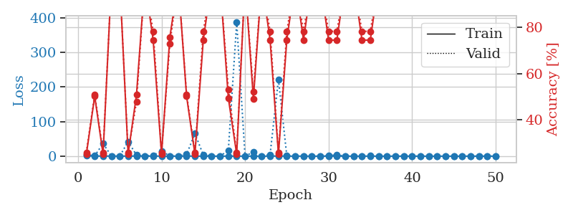
train_loss | valid_loss | train_accuracy | valid_accuracy | dur | train_misclass | valid_misclass
0.91906636305 | 4.170940876 | 0.2527173913 | 0.26086956522 | 1.1558318138 | 25.27173913 | 26.086956522
0.39370059773 | 0.85784346902 | 0.5027173913 | 0.51086956522 | 1.1485872269 | 50.27173913 | 51.086956522
0.34720226669 | 36.711418484 | 0.2527173913 | 0.26086956522 | 1.1498904228 | 25.27173913 | 26.086956522
0.38055819322 | 0.12642148493 | 1 | 1 | 1.1460392475 | 100 | 100
0.20326215968 | 0.085834597602 | 1 | 1 | 1.1483066082 | 100 | 100
0.30801839495 | 42.219464012 | 0.2527173913 | 0.26086956522 | 1.1454906464 | 25.27173913 | 26.086956522
0.31784730972 | 2.9923714762 | 0.50815217391 | 0.47826086957 | 1.1445794106 | 50.815217391 | 47.826086957
0.25672162255 | 0.010801378759 | 1 | 1 | 1.1459691525 | 100 | 100
0.26684224425 | 2.5088775469 | 0.74456521739 | 0.78260869565 | 1.1454956532 | 74.456521739 | 78.260869565
0.26353606804 | 14.569331335 | 0.2527173913 | 0.26086956522 | 1.1464803219 | 25.27173913 | 26.086956522
0.13254591406 | 0.50781745885 | 0.75815217391 | 0.72826086957 | 1.1454486847 | 75.815217391 | 72.826086957
0.068177670504 | 0.010066348695 | 1 | 1 | 1.1453948021 | 100 | 100
0.47814458192 | 5.4454660623 | 0.5027173913 | 0.51086956522 | 1.1466078758 | 50.27173913 | 51.086956522
0.13964958276 | 65.052245596 | 0.2527173913 | 0.26086956522 | 1.1467144489 | 25.27173913 | 26.086956522
0.14562849498 | 3.7006320435 | 0.74456521739 | 0.78260869565 | 1.1472115517 | 74.456521739 | 78.260869565
0.070957512149 | 0.0047138841296 | 1 | 1 | 1.1463372707 | 100 | 100
0.014968460618 | 0.0014595250073 | 1 | 1 | 1.1479344368 | 100 | 100
0.21802180369 | 16.534602953 | 0.49456521739 | 0.53260869565 | 1.1470477581 | 49.456521739 | 53.260869565
0.23233865396 | 386.4799871 | 0.2527173913 | 0.26086956522 | 1.1471531391 | 25.27173913 | 26.086956522
0.088257064577 | 0.032847169301 | 1 | 1 | 1.1467411518 | 100 | 100
0.10377268697 | 12.158717819 | 0.49184782609 | 0.52173913043 | 1.1467840672 | 49.184782609 | 52.173913043
0.014227170558 | 0.0018703001248 | 1 | 1 | 1.1485347748 | 100 | 100
0.22603013733 | 4.7904694599 | 0.74456521739 | 0.78260869565 | 1.1474633217 | 74.456521739 | 78.260869565
0.50124953509 | 221.69192107 | 0.2527173913 | 0.26086956522 | 1.1473786831 | 25.27173913 | 26.086956522
0.16853689994 | 1.0173039566 | 0.74456521739 | 0.78260869565 | 1.1477301121 | 74.456521739 | 78.260869565
0.057322321703 | 0.0055651838243 | 1 | 1 | 1.149323225 | 100 | 100
0.2976158136 | 0.32589327382 | 0.74456521739 | 0.78260869565 | 1.1482057571 | 74.456521739 | 78.260869565
0.020193373278 | 0.0039982183674 | 1 | 1 | 1.1478593349 | 100 | 100
0.064547916075 | 0.0091602145087 | 1 | 1 | 1.1496913433 | 100 | 100
0.054043985316 | 1.1621168826 | 0.74456521739 | 0.78260869565 | 1.1482093334 | 74.456521739 | 78.260869565
0.12184504363 | 3.9257829811 | 0.74456521739 | 0.78260869565 | 1.1491882801 | 74.456521739 | 78.260869565
0.038308356048 | 0.0060135308937 | 1 | 1 | 1.1482827663 | 100 | 100
0.051773454022 | 0.0030021439104 | 1 | 1 | 1.1486794949 | 100 | 100
0.034128680597 | 0.42692129508 | 0.74456521739 | 0.78260869565 | 1.1491174698 | 74.456521739 | 78.260869565
0.1246814246 | 1.1164529635 | 0.74456521739 | 0.78260869565 | 1.148252964 | 74.456521739 | 78.260869565
0.094095567869 | 0.051610105711 | 1 | 1 | 1.1511821747 | 100 | 100
0.021313578999 | 0.0021788218241 | 1 | 1 | 1.1531918049 | 100 | 100
0.017753034304 | 0.0053803894628 | 1 | 1 | 1.1528608799 | 100 | 100
0.013296552352 | 0.0024265085408 | 1 | 1 | 1.1524469852 | 100 | 100
0.017612085971 | 0.001991227421 | 1 | 1 | 1.1531589031 | 100 | 100
0.0087354542212 | 0.002123734114 | 1 | 1 | 1.1527335644 | 100 | 100
0.015151728076 | 0.0019580615462 | 1 | 1 | 1.1533873081 | 100 | 100
0.01841534824 | 0.0019583838648 | 1 | 1 | 1.1531991959 | 100 | 100
0.0058628427745 | 0.001797625304 | 1 | 1 | 1.1529240608 | 100 | 100
0.016776220139 | 0.0017343948889 | 1 | 1 | 1.1528739929 | 100 | 100
0.10818875869 | 0.0018449542821 | 1 | 1 | 1.1548907757 | 100 | 100
0.0063526396204 | 0.0018485921091 | 1 | 1 | 1.154392004 | 100 | 100
0.15620993138 | 0.0022987334827 | 1 | 1 | 1.1543447971 | 100 | 100
0.015550428389 | 0.0021138492789 | 1 | 1 | 1.1544547081 | 100 | 100
0.010185368668 | 0.001794113894 | 1 | 1 | 1.1545152664 | 100 | 100

Best Val accuracy is 1.0 and Best test accuracy is 1.0

Sheet8
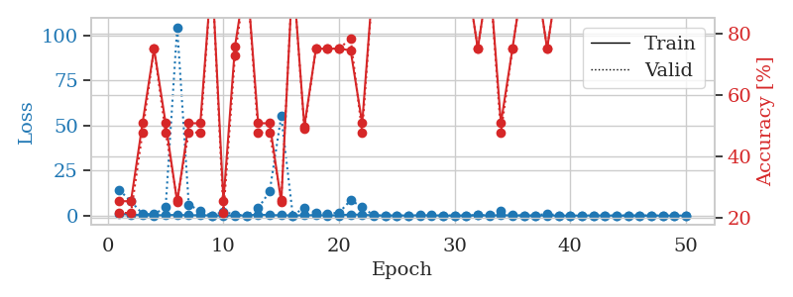
train_loss | valid_loss | train_accuracy | valid_accuracy | dur | train_misclass | valid_misclass
1.0580507439 | 14.133303808 | 0.25543478261 | 0.21739130435 | 1.152463913 | 25.543478261 | 21.739130435
0.47915357675 | 7.8437956105 | 0.25543478261 | 0.21739130435 | 1.149515152 | 25.543478261 | 21.739130435
0.25653901469 | 0.97221390579 | 0.50815217391 | 0.47826086957 | 1.1459133625 | 50.815217391 | 47.826086957
0.1319730098 | 0.72480907388 | 0.75 | 0.75 | 1.149469614 | 75 | 75
0.27699212815 | 4.5972074218 | 0.50815217391 | 0.47826086957 | 1.1460165977 | 50.815217391 | 47.826086957
0.37053728395 | 104.54979175 | 0.2527173913 | 0.26086956522 | 1.146191597 | 25.27173913 | 26.086956522
0.20306854136 | 6.1402340557 | 0.50815217391 | 0.47826086957 | 1.1471264362 | 50.815217391 | 47.826086957
0.16815474487 | 2.4181102566 | 0.50815217391 | 0.47826086957 | 1.1468374729 | 50.815217391 | 47.826086957
0.069410403624 | 0.0091513149521 | 1 | 1 | 1.1471951008 | 100 | 100
0.10363345865 | 2.1422208288 | 0.25543478261 | 0.21739130435 | 1.1495828629 | 25.543478261 | 21.739130435
0.088152036162 | 0.57538734312 | 0.75815217391 | 0.72826086957 | 1.1475498676 | 75.815217391 | 72.826086957
0.092126952059 | 0.039615393009 | 1 | 1 | 1.1487982273 | 100 | 100
0.55981716469 | 4.0420029371 | 0.50815217391 | 0.47826086957 | 1.1469993591 | 50.815217391 | 47.826086957
0.22061513355 | 13.416118788 | 0.50815217391 | 0.47826086957 | 1.1469786167 | 50.815217391 | 47.826086957
0.22800791598 | 55.270345273 | 0.2527173913 | 0.26086956522 | 1.1467814445 | 25.27173913 | 26.086956522
0.083597584 | 0.040552786025 | 1 | 1 | 1.1479513645 | 100 | 100
0.15970197969 | 4.4147105217 | 0.4972826087 | 0.48913043478 | 1.147926569 | 49.72826087 | 48.913043478
0.24867050413 | 1.3766673751 | 0.75 | 0.75 | 1.1480941772 | 75 | 75
0.10313950574 | 1.0941164545 | 0.75 | 0.75 | 1.1485674381 | 75 | 75
0.13227818742 | 1.6053489395 | 0.75 | 0.75 | 1.1484680176 | 75 | 75
0.6271260651 | 8.5029259557 | 0.74456521739 | 0.78260869565 | 1.1487584114 | 74.456521739 | 78.260869565
0.40780117454 | 4.8014090165 | 0.50815217391 | 0.47826086957 | 1.1491713524 | 50.815217391 | 47.826086957
0.13684811978 | 0.01903860522 | 1 | 1 | 1.1502015591 | 100 | 100
0.09331419902 | 0.0056592979185 | 1 | 1 | 1.1487495899 | 100 | 100
0.07980956863 | 0.025261487002 | 1 | 1 | 1.1488397121 | 100 | 100
0.059838527196 | 0.0042582300249 | 1 | 1 | 1.1500499249 | 100 | 100
0.21077968877 | 0.067276256564 | 1 | 1 | 1.1502788067 | 100 | 100
0.14349503029 | 0.12889263487 | 1 | 1 | 1.1491165161 | 100 | 100
0.026343177877 | 0.024282401995 | 1 | 1 | 1.1472656727 | 100 | 100
0.037521744714 | 0.0074843495841 | 1 | 1 | 1.1485304832 | 100 | 100
0.02725850892 | 0.017128709137 | 1 | 1 | 1.1471581459 | 100 | 100
0.25323973245 | 0.20481905212 | 0.75 | 0.75 | 1.1481511593 | 75 | 75
0.038260176727 | 0.16062076195 | 1 | 1 | 1.1495125294 | 100 | 100
0.18777280082 | 2.6093138301 | 0.50815217391 | 0.47826086957 | 1.1478557587 | 50.815217391 | 47.826086957
0.10024005614 | 0.27160236499 | 0.75 | 0.75 | 1.1486115456 | 75 | 75
0.063196907255 | 0.016081790399 | 1 | 1 | 1.1522090435 | 100 | 100
0.040329452746 | 0.015806631064 | 1 | 1 | 1.1526222229 | 100 | 100
0.073319137921 | 1.0761721652 | 0.75 | 0.75 | 1.1528470516 | 75 | 75
0.019654872301 | 0.0030118787823 | 1 | 1 | 1.152153492 | 100 | 100
0.024115155861 | 0.0024894616749 | 1 | 1 | 1.1524977684 | 100 | 100
0.019833841164 | 0.0018677135231 | 1 | 1 | 1.152608633 | 100 | 100
0.097918143309 | 0.0057526350467 | 1 | 1 | 1.1536564827 | 100 | 100
0.075693485707 | 0.0049647268758 | 1 | 1 | 1.15289855 | 100 | 100
0.01133456686 | 0.0024952909545 | 1 | 1 | 1.1542167664 | 100 | 100
0.046100564564 | 0.0016073516125 | 1 | 1 | 1.1534969807 | 100 | 100
0.039537201752 | 0.0017075896891 | 1 | 1 | 1.153449297 | 100 | 100
0.016948806436 | 0.0014235384651 | 1 | 1 | 1.1527130604 | 100 | 100
0.024579514117 | 0.0019414602354 | 1 | 1 | 1.1536848545 | 100 | 100
0.014511499607 | 0.0016289248647 | 1 | 1 | 1.1530487537 | 100 | 100
0.031744443639 | 0.0013521198112 | 1 | 1 | 1.1530673504 | 100 | 100

Best Val accuracy is 1.0 and Best test accuracy is 1.0

Sheet9
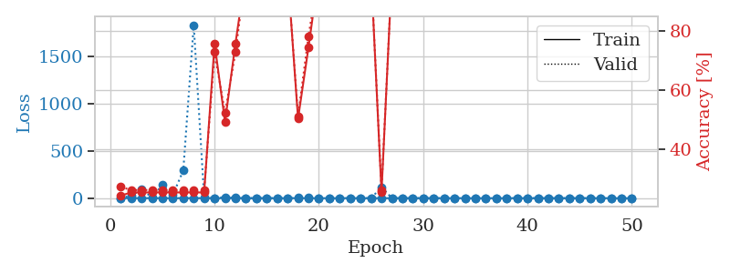
train_loss | valid_loss | train_accuracy | valid_accuracy | dur | train_misclass | valid_misclass
1.0134597032 | 1.4460975139 | 0.24184782609 | 0.27173913043 | 1.150028944 | 24.184782609 | 27.173913043
0.49268140417 | 26.199179359 | 0.2527173913 | 0.26086956522 | 1.1511998177 | 25.27173913 | 26.086956522
0.2429275652 | 90.725166653 | 0.2527173913 | 0.26086956522 | 1.1530263424 | 25.27173913 | 26.086956522
0.20751616926 | 8.9795321589 | 0.2527173913 | 0.26086956522 | 1.1509838104 | 25.27173913 | 26.086956522
0.17824731059 | 138.8141234 | 0.2527173913 | 0.26086956522 | 1.1521258354 | 25.27173913 | 26.086956522
0.065147963879 | 34.964803447 | 0.2527173913 | 0.26086956522 | 1.149667263 | 25.27173913 | 26.086956522
0.18446486038 | 293.31217758 | 0.2527173913 | 0.26086956522 | 1.1517558098 | 25.27173913 | 26.086956522
0.23193601595 | 1835.8969143 | 0.2527173913 | 0.26086956522 | 1.1515803337 | 25.27173913 | 26.086956522
0.47944687963 | 9.2232242045 | 0.2527173913 | 0.26086956522 | 1.1528835297 | 25.27173913 | 26.086956522
0.17675802622 | 0.21990815647 | 0.75815217391 | 0.72826086957 | 1.1505045891 | 75.815217391 | 72.826086957
0.25348857928 | 11.757007184 | 0.49184782609 | 0.52173913043 | 1.1504955292 | 49.184782609 | 52.173913043
0.24659323785 | 2.5717505113 | 0.75815217391 | 0.72826086957 | 1.1482748985 | 75.815217391 | 72.826086957
0.13443687706 | 0.1037101305 | 1 | 1 | 1.1497704983 | 100 | 100
0.21169243793 | 0.19045079921 | 1 | 1 | 1.1507437229 | 100 | 100
0.063272867271 | 0.026740329907 | 1 | 1 | 1.1507804394 | 100 | 100
0.10518257956 | 0.030780091801 | 1 | 1 | 1.1493196487 | 100 | 100
0.092996221172 | 0.063787976847 | 1 | 1 | 1.1514489651 | 100 | 100
0.46158845908 | 3.9135910635 | 0.5027173913 | 0.51086956522 | 1.1509940624 | 50.27173913 | 51.086956522
0.30620073265 | 9.4373255398 | 0.74456521739 | 0.78260869565 | 1.1529328823 | 74.456521739 | 78.260869565
0.11172150804 | 0.043828565789 | 1 | 1 | 1.1507501602 | 100 | 100
0.056027156807 | 0.0050248028508 | 1 | 1 | 1.1530828476 | 100 | 100
0.23824917482 | 0.11099909181 | 1 | 1 | 1.1511509418 | 100 | 100
0.39116957128 | 0.0055923269373 | 1 | 1 | 1.1513478756 | 100 | 100
0.13668316102 | 0.082761731485 | 1 | 1 | 1.151627779 | 100 | 100
0.11853972227 | 0.0028863304963 | 1 | 1 | 1.1494724751 | 100 | 100
0.2372382975 | 116.20999311 | 0.2527173913 | 0.26086956522 | 1.1499254704 | 25.27173913 | 26.086956522
0.10000016182 | 0.018007627162 | 1 | 1 | 1.1515498161 | 100 | 100
0.064922496504 | 0.0026162234236 | 1 | 1 | 1.1526911259 | 100 | 100
0.046814986484 | 0.0023859098311 | 1 | 1 | 1.1512072086 | 100 | 100
0.055158517425 | 0.0068897240917 | 1 | 1 | 1.1514279842 | 100 | 100
0.06618199314 | 0.0039192329404 | 1 | 1 | 1.1510431767 | 100 | 100
0.10633760533 | 0.0031637916665 | 1 | 1 | 1.1516151428 | 100 | 100
0.10060324089 | 0.0031060017544 | 1 | 1 | 1.1519021988 | 100 | 100
0.13868406923 | 0.0033490302284 | 1 | 1 | 1.1501719952 | 100 | 100
0.077409092944 | 0.0029192449748 | 1 | 1 | 1.1520733833 | 100 | 100
0.027037996247 | 0.002008650786 | 1 | 1 | 1.1519699097 | 100 | 100
0.014380617148 | 0.0018375755652 | 1 | 1 | 1.1511669159 | 100 | 100
0.074091376324 | 0.002826209008 | 1 | 1 | 1.1505186558 | 100 | 100
0.1986859013 | 0.0017598564129 | 1 | 1 | 1.1503705978 | 100 | 100
0.20086288115 | 0.002325257418 | 1 | 1 | 1.1504590511 | 100 | 100
0.030155834023 | 0.001936542923 | 1 | 1 | 1.1506540775 | 100 | 100
0.039735843559 | 0.0021394409098 | 1 | 1 | 1.1513333321 | 100 | 100
0.021593770136 | 0.0017381310767 | 1 | 1 | 1.1533477306 | 100 | 100
0.011533023572 | 0.0020074473147 | 1 | 1 | 1.152862072 | 100 | 100
0.037246974863 | 0.0017104969947 | 1 | 1 | 1.1529278755 | 100 | 100
0.14819715487 | 0.0016612970655 | 1 | 1 | 1.152929306 | 100 | 100
0.034828525649 | 0.0017666682378 | 1 | 1 | 1.1540760994 | 100 | 100
0.010977866204 | 0.001854731347 | 1 | 1 | 1.1535363197 | 100 | 100
0.027268844034 | 0.0016053090854 | 1 | 1 | 1.1554772854 | 100 | 100
0.010195996845 | 0.0017394037695 | 1 | 1 | 1.1535506248 | 100 | 100

Best Val accuracy is 1.0 and Best test accuracy is 1.0

Sheet10
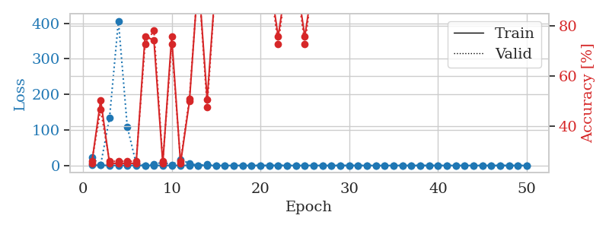
train_loss | valid_loss | train_accuracy | valid_accuracy | dur | train_misclass | valid_misclass
1.1276372853 | 22.035414323 | 0.2527173913 | 0.26086956522 | 1.1510653496 | 25.27173913 | 26.086956522
0.5658407315 | 1.9688622019 | 0.50543478261 | 0.46739130435 | 1.1488928795 | 50.543478261 | 46.739130435
0.32805537854 | 134.09147113 | 0.2527173913 | 0.26086956522 | 1.150662899 | 25.27173913 | 26.086956522
0.16856187922 | 406.63122028 | 0.2527173913 | 0.26086956522 | 1.1486346722 | 25.27173913 | 26.086956522
0.27395128766 | 108.4852348 | 0.2527173913 | 0.26086956522 | 1.1491703987 | 25.27173913 | 26.086956522
0.19103668654 | 5.2637309821 | 0.2527173913 | 0.26086956522 | 1.1479980946 | 25.27173913 | 26.086956522
0.08518229676 | 0.4650786532 | 0.75815217391 | 0.72826086957 | 1.1495170593 | 75.815217391 | 72.826086957
0.12399947384 | 2.9037967765 | 0.74456521739 | 0.78260869565 | 1.1514425278 | 74.456521739 | 78.260869565
0.085807218561 | 9.484976416 | 0.2527173913 | 0.26086956522 | 1.1505534649 | 25.27173913 | 26.086956522
0.12819200495 | 1.372217891 | 0.75815217391 | 0.72826086957 | 1.1499590874 | 75.815217391 | 72.826086957
0.30335596828 | 16.248220568 | 0.2527173913 | 0.26086956522 | 1.1482491493 | 25.27173913 | 26.086956522
0.14744977625 | 6.1569558227 | 0.5 | 0.51086956522 | 1.1476905346 | 50 | 51.086956522
0.097188561345 | 0.084481690241 | 1 | 1 | 1.1510527134 | 100 | 100
0.40195614969 | 3.3258426604 | 0.50815217391 | 0.47826086957 | 1.1505839825 | 50.815217391 | 47.826086957
0.088618806604 | 0.014063438198 | 1 | 1 | 1.1504702568 | 100 | 100
0.046547736223 | 0.0052391245921 | 1 | 1 | 1.150080204 | 100 | 100
0.1581706406 | 0.032017015407 | 1 | 1 | 1.1508388519 | 100 | 100
0.064423868478 | 0.015343227383 | 1 | 1 | 1.1497621536 | 100 | 100
0.066399258579 | 0.0036281376429 | 1 | 1 | 1.1490027905 | 100 | 100
0.094745040406 | 0.0014813890448 | 1 | 1 | 1.1500680447 | 100 | 100
0.024287939335 | 0.0028462829473 | 1 | 1 | 1.1488573551 | 100 | 100
0.17359468698 | 0.37316224562 | 0.75815217391 | 0.72826086957 | 1.148555994 | 75.815217391 | 72.826086957
0.11808756527 | 0.017226351708 | 1 | 1 | 1.1525673866 | 100 | 100
0.030920055032 | 0.0016211408049 | 1 | 1 | 1.1504237652 | 100 | 100
0.31356315078 | 0.2203405791 | 0.75815217391 | 0.72826086957 | 1.1510174274 | 75.815217391 | 72.826086957
0.14405165277 | 0.0081034650945 | 1 | 1 | 1.149970293 | 100 | 100
0.034613492615 | 0.0034916539191 | 1 | 1 | 1.1497297287 | 100 | 100
0.048737464675 | 0.0057473966811 | 1 | 1 | 1.1501820087 | 100 | 100
0.11060258158 | 0.0029203705793 | 1 | 1 | 1.1509869099 | 100 | 100
0.035554796164 | 0.0013888457223 | 1 | 1 | 1.1506664753 | 100 | 100
0.065709442938 | 0.008402771114 | 1 | 1 | 1.1521077156 | 100 | 100
0.039954994598 | 0.0016922105418 | 1 | 1 | 1.151696682 | 100 | 100
0.098022471202 | 0.0014713401501 | 1 | 1 | 1.1503829956 | 100 | 100
0.044293797428 | 0.0016395848791 | 1 | 1 | 1.15239501 | 100 | 100
0.09224431115 | 0.001941748338 | 1 | 1 | 1.1501262188 | 100 | 100
0.13315099944 | 0.0029342923232 | 1 | 1 | 1.1515760422 | 100 | 100
0.053865762311 | 0.0018130413803 | 1 | 1 | 1.1513471603 | 100 | 100
0.041948677127 | 0.0015295048437 | 1 | 1 | 1.1524384022 | 100 | 100
0.025124472566 | 0.0010805659543 | 1 | 1 | 1.151330471 | 100 | 100
0.12599460497 | 0.0013797773888 | 1 | 1 | 1.1501307487 | 100 | 100
0.032881238285 | 0.0020178977866 | 1 | 1 | 1.1509816647 | 100 | 100
0.18228230261 | 0.0013990123432 | 1 | 1 | 1.1505680084 | 100 | 100
0.22110267444 | 0.0021985583513 | 1 | 1 | 1.1517682076 | 100 | 100
0.010440413845 | 0.0016870679506 | 1 | 1 | 1.152421236 | 100 | 100
0.021797048211 | 0.0012384691154 | 1 | 1 | 1.1510910988 | 100 | 100
0.0078929383763 | 0.0013032813718 | 1 | 1 | 1.1521034241 | 100 | 100
0.015897109543 | 0.0012270590371 | 1 | 1 | 1.1529142857 | 100 | 100
0.058994745102 | 0.0012644991815 | 1 | 1 | 1.1521904469 | 100 | 100
0.023898124935 | 0.0012904597882 | 1 | 1 | 1.1515398026 | 100 | 100
0.042721403064 | 0.0011915112086 | 1 | 1 | 1.1525812149 | 100 | 100

Best Val accuracy is 1.0 and Best test accuracy is 1.0

