Sheet
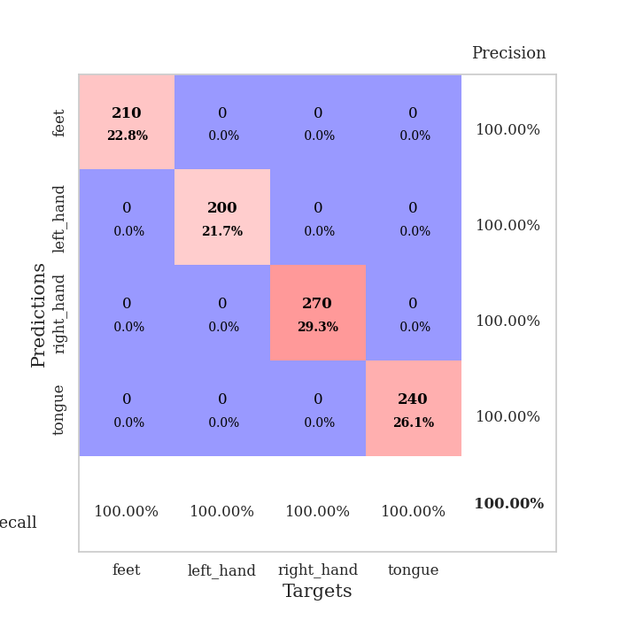

best_val_acc | best_val_los | best_test_acc
1 | 0.0025234808538 | 1
1 | 0.00075178950488 | 1
1 | 0.00048573653634 | 1
1 | 0.00094434756624 | 1
1 | 0.00033130020513 | 1
1 | 0.0014608084052 | 1
1 | 0.00024047281603 | 1
1 | 0.0013016944589 | 1
1 | 0.00064819529602 | 1
1 | 0.0010885990873 | 1

Mean,std Val accuracy is 1.0 , 0.0 and mean, std test accuracy is 1.0 , 0.0

Sheet1
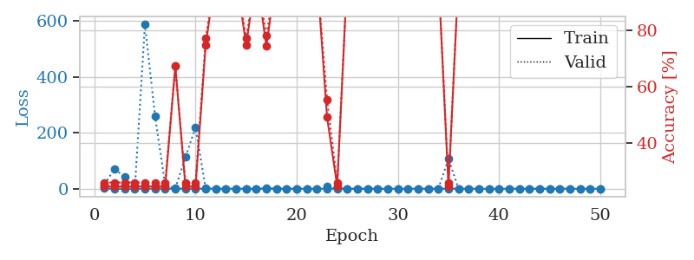
train_loss | valid_loss | train_accuracy | valid_accuracy | dur | train_misclass | valid_misclass
1.0928792202 | 15.515740478 | 0.2472826087 | 0.26086956522 | 1.1512675285 | 24.72826087 | 26.086956522
0.52177391104 | 71.681436456 | 0.2472826087 | 0.26086956522 | 1.1482596397 | 24.72826087 | 26.086956522
0.37781723686 | 41.622772051 | 0.2472826087 | 0.26086956522 | 1.147411108 | 24.72826087 | 26.086956522
0.17862287067 | 2.6629784211 | 0.2472826087 | 0.26086956522 | 1.1472218037 | 24.72826087 | 26.086956522
0.1794059982 | 587.62160061 | 0.2472826087 | 0.26086956522 | 1.1482589245 | 24.72826087 | 26.086956522
0.48620285891 | 259.2528388 | 0.2472826087 | 0.26086956522 | 1.1475996971 | 24.72826087 | 26.086956522
0.28205644647 | 13.174983812 | 0.2472826087 | 0.26086956522 | 1.1476173401 | 24.72826087 | 26.086956522
0.081944416884 | 1.0205708496 | 0.67391304348 | 0.67391304348 | 1.1477396488 | 67.391304348 | 67.391304348
0.2669395231 | 113.06579689 | 0.2472826087 | 0.26086956522 | 1.1493728161 | 24.72826087 | 26.086956522
0.46633611538 | 219.26565485 | 0.2472826087 | 0.26086956522 | 1.1483259201 | 24.72826087 | 26.086956522
0.26571278663 | 1.3544377296 | 0.7472826087 | 0.77173913043 | 1.1481025219 | 74.72826087 | 77.173913043
0.22872402454 | 0.15692636759 | 1 | 1 | 1.1495556831 | 100 | 100
0.17118188338 | 0.029890263777 | 1 | 1 | 1.1487669945 | 100 | 100
0.058217521494 | 0.0086428524278 | 1 | 1 | 1.1478669643 | 100 | 100
0.1596565326 | 0.47060665877 | 0.7472826087 | 0.77173913043 | 1.1473741531 | 74.72826087 | 77.173913043
0.13147320447 | 0.10141168405 | 1 | 1 | 1.1482596397 | 100 | 100
0.15538214987 | 2.5997807358 | 0.74456521739 | 0.78260869565 | 1.1487636566 | 74.456521739 | 78.260869565
0.1601107833 | 0.0079438827486 | 1 | 1 | 1.1490416527 | 100 | 100
0.13292431835 | 0.049172597735 | 1 | 1 | 1.1504108906 | 100 | 100
0.063187512503 | 0.131519144 | 1 | 1 | 1.1493728161 | 100 | 100
0.095446150112 | 0.011760935552 | 1 | 1 | 1.1493322849 | 100 | 100
0.085166132376 | 0.0047809252434 | 1 | 1 | 1.1499302387 | 100 | 100
0.60805117093 | 7.3581096193 | 0.49184782609 | 0.55434782609 | 1.1483943462 | 49.184782609 | 55.434782609
0.17134239958 | 1.3603750882 | 0.2472826087 | 0.26086956522 | 1.1484873295 | 24.72826087 | 26.086956522
0.087101165671 | 0.013558984046 | 1 | 1 | 1.1483662128 | 100 | 100
0.074378738048 | 0.0038510502073 | 1 | 1 | 1.1490967274 | 100 | 100
0.065797668963 | 0.0069523199826 | 1 | 1 | 1.1494374275 | 100 | 100
0.082303654706 | 0.0067462644175 | 1 | 1 | 1.1508870125 | 100 | 100
0.019379836629 | 0.0037635433609 | 1 | 1 | 1.1497228146 | 100 | 100
0.1239718438 | 0.0025234808538 | 1 | 1 | 1.1496143341 | 100 | 100
0.28463935367 | 0.0045120862272 | 1 | 1 | 1.1514217854 | 100 | 100
0.18213795174 | 0.0468142985 | 1 | 1 | 1.1502048969 | 100 | 100
0.090815906858 | 0.016641745668 | 1 | 1 | 1.1499648094 | 100 | 100
0.075386129502 | 0.0030797483885 | 1 | 1 | 1.150321722 | 100 | 100
0.13447903989 | 107.03018155 | 0.2472826087 | 0.26086956522 | 1.1509664059 | 24.72826087 | 26.086956522
0.31142534623 | 0.075630313028 | 1 | 1 | 1.1504333019 | 100 | 100
0.048619034174 | 0.0086732799106 | 1 | 1 | 1.1505610943 | 100 | 100
0.026071202516 | 0.0075133638052 | 1 | 1 | 1.1517055035 | 100 | 100
0.019415445383 | 0.0056392719726 | 1 | 1 | 1.1505775452 | 100 | 100
0.064949961237 | 0.0062291879895 | 1 | 1 | 1.1507577896 | 100 | 100
0.023450226108 | 0.0046116057783 | 1 | 1 | 1.1509993076 | 100 | 100
0.089264750997 | 0.0041141698501 | 1 | 1 | 1.14925313 | 100 | 100
0.055439282259 | 0.0039146038825 | 1 | 1 | 1.1502485275 | 100 | 100
0.097458315163 | 0.0037437391103 | 1 | 1 | 1.1503345966 | 100 | 100
0.016461526104 | 0.0038819131036 | 1 | 1 | 1.1498491764 | 100 | 100
0.022088515512 | 0.0039757903584 | 1 | 1 | 1.1515021324 | 100 | 100
0.081645149323 | 0.0033125367178 | 1 | 1 | 1.1507668495 | 100 | 100
0.049983811362 | 0.0035235464229 | 1 | 1 | 1.1512739658 | 100 | 100
0.043445026796 | 0.0037427674473 | 1 | 1 | 1.1509745121 | 100 | 100
0.18373424019 | 0.003778713978 | 1 | 1 | 1.151099205 | 100 | 100

Best Val accuracy is 1.0 and Best test accuracy is 1.0

Sheet2
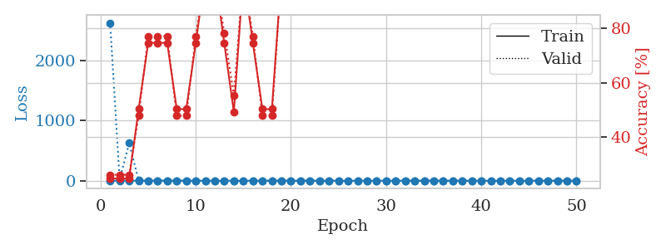
train_loss | valid_loss | train_accuracy | valid_accuracy | dur | train_misclass | valid_misclass
1.1114575967 | 2624.3161197 | 0.2472826087 | 0.26086956522 | 1.1539721489 | 24.72826087 | 26.086956522
0.57721139167 | 18.530531178 | 0.2472826087 | 0.26086956522 | 1.1479046345 | 24.72826087 | 26.086956522
0.66202191749 | 624.51259447 | 0.2472826087 | 0.26086956522 | 1.147569418 | 24.72826087 | 26.086956522
0.41605734696 | 4.0805210031 | 0.5027173913 | 0.47826086957 | 1.148124218 | 50.27173913 | 47.826086957
0.17856253935 | 0.25381480093 | 0.7472826087 | 0.77173913043 | 1.1490123272 | 74.72826087 | 77.173913043
0.20319877962 | 0.49268193478 | 0.7472826087 | 0.77173913043 | 1.1504328251 | 74.72826087 | 77.173913043
0.15937239345 | 0.9516920862 | 0.7472826087 | 0.77173913043 | 1.1485362053 | 74.72826087 | 77.173913043
0.16858123834 | 0.78834274282 | 0.5027173913 | 0.47826086957 | 1.1481130123 | 50.27173913 | 47.826086957
0.19661509019 | 1.5628656512 | 0.5027173913 | 0.47826086957 | 1.1481208801 | 50.27173913 | 47.826086957
0.1661758504 | 0.96279751477 | 0.7472826087 | 0.77173913043 | 1.1485130787 | 74.72826087 | 77.173913043
0.14520476799 | 0.016644046844 | 1 | 1 | 1.1485116482 | 100 | 100
0.10073656643 | 0.1747870361 | 1 | 1 | 1.151291132 | 100 | 100
0.1500983975 | 2.9465729724 | 0.74456521739 | 0.78260869565 | 1.1489360332 | 74.456521739 | 78.260869565
0.19205528415 | 3.072638719 | 0.49184782609 | 0.55434782609 | 1.1485645771 | 49.184782609 | 55.434782609
0.075815224281 | 0.095875723206 | 1 | 1 | 1.1484827995 | 100 | 100
0.39454588384 | 2.2240363411 | 0.7472826087 | 0.77173913043 | 1.1482622623 | 74.72826087 | 77.173913043
0.21595489477 | 2.2069375204 | 0.5027173913 | 0.47826086957 | 1.1483147144 | 50.27173913 | 47.826086957
0.38068577194 | 2.5307337201 | 0.5027173913 | 0.47826086957 | 1.1480112076 | 50.27173913 | 47.826086957
0.13923391542 | 0.20610935921 | 1 | 1 | 1.1484310627 | 100 | 100
0.067513944217 | 0.0096022544996 | 1 | 1 | 1.1484513283 | 100 | 100
0.042211125797 | 0.0038846031682 | 1 | 1 | 1.1483495235 | 100 | 100
0.12207947233 | 0.0037486734091 | 1 | 1 | 1.1484665871 | 100 | 100
0.075526778951 | 0.013181405668 | 1 | 1 | 1.1490819454 | 100 | 100
0.047429776614 | 0.05153389437 | 1 | 1 | 1.148876667 | 100 | 100
0.017435048535 | 0.004262263178 | 1 | 1 | 1.148891449 | 100 | 100
0.033947874296 | 0.0067365910736 | 1 | 1 | 1.1487271786 | 100 | 100
0.041136758296 | 0.014244528163 | 1 | 1 | 1.1489481926 | 100 | 100
0.087633216184 | 0.010040572116 | 1 | 1 | 1.1496088505 | 100 | 100
0.025349182401 | 0.0039724495829 | 1 | 1 | 1.1500508785 | 100 | 100
0.034019421376 | 0.011690017484 | 1 | 1 | 1.149923563 | 100 | 100
0.021458158318 | 0.0058416354713 | 1 | 1 | 1.1498208046 | 100 | 100
0.053470706129 | 0.00075178950488 | 1 | 1 | 1.1502401829 | 100 | 100
0.1472027467 | 0.068862194924 | 1 | 1 | 1.1488077641 | 100 | 100
0.15696067464 | 0.080035628508 | 1 | 1 | 1.1496529579 | 100 | 100
0.025035806704 | 0.003115296627 | 1 | 1 | 1.1505084038 | 100 | 100
0.012855515117 | 0.0012892879819 | 1 | 1 | 1.1501255035 | 100 | 100
0.11886919523 | 0.0071450202604 | 1 | 1 | 1.1513333321 | 100 | 100
0.055144622659 | 0.015514935245 | 1 | 1 | 1.150611639 | 100 | 100
0.30397562519 | 0.11536025288 | 1 | 1 | 1.1503820419 | 100 | 100
0.01042336536 | 0.0008644545299 | 1 | 1 | 1.1507160664 | 100 | 100
0.026403967709 | 0.00075560392377 | 1 | 1 | 1.1501765251 | 100 | 100
0.052827694944 | 0.0023705461366 | 1 | 1 | 1.1510415077 | 100 | 100
0.012122804332 | 0.00087984005981 | 1 | 1 | 1.1503841877 | 100 | 100
0.0098134873248 | 0.0010401370439 | 1 | 1 | 1.1503512859 | 100 | 100
0.07231532055 | 0.0010970859768 | 1 | 1 | 1.1503639221 | 100 | 100
0.017837978525 | 0.0011067459633 | 1 | 1 | 1.1504144669 | 100 | 100
0.010993378303 | 0.00084749453843 | 1 | 1 | 1.1505420208 | 100 | 100
0.020129086217 | 0.00090547249673 | 1 | 1 | 1.1504900455 | 100 | 100
0.035756913278 | 0.0010689077342 | 1 | 1 | 1.1510260105 | 100 | 100
0.050306054305 | 0.00080964957242 | 1 | 1 | 1.1505436897 | 100 | 100

Best Val accuracy is 1.0 and Best test accuracy is 1.0

Sheet3
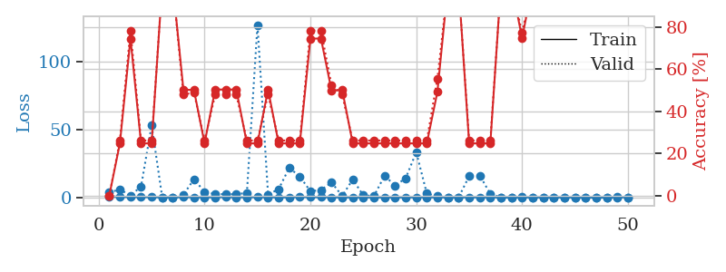
train_loss | valid_loss | train_accuracy | valid_accuracy | dur | train_misclass | valid_misclass
0.81694170573 | 3.7435264691 | 0 | 0 | 1.1547989845 | 0 | 0
0.48217244641 | 5.8540551351 | 0.2472826087 | 0.26086956522 | 1.1475198269 | 24.72826087 | 26.086956522
0.30772280142 | 1.462627981 | 0.74456521739 | 0.78260869565 | 1.1509599686 | 74.456521739 | 78.260869565
0.38527623669 | 8.0341263025 | 0.2472826087 | 0.26086956522 | 1.1508350372 | 24.72826087 | 26.086956522
0.18380822922 | 53.309801185 | 0.2472826087 | 0.26086956522 | 1.1480433941 | 24.72826087 | 26.086956522
0.059120571747 | 0.051199937482 | 1 | 1 | 1.1485028267 | 100 | 100
0.023930399223 | 0.0050171339459 | 1 | 1 | 1.1464459896 | 100 | 100
0.25903369916 | 2.0223488082 | 0.5027173913 | 0.47826086957 | 1.1466641426 | 50.27173913 | 47.826086957
0.13804851689 | 13.450791525 | 0.5 | 0.48913043478 | 1.1528487206 | 50 | 48.913043478
0.072762523484 | 4.1131929315 | 0.2472826087 | 0.26086956522 | 1.1490724087 | 24.72826087 | 26.086956522
0.11720936707 | 2.4890479523 | 0.5027173913 | 0.47826086957 | 1.1497774124 | 50.27173913 | 47.826086957
0.3316325738 | 2.3754327919 | 0.5027173913 | 0.47826086957 | 1.1493270397 | 50.27173913 | 47.826086957
0.082251193397 | 2.3491239548 | 0.5027173913 | 0.47826086957 | 1.1487281322 | 50.27173913 | 47.826086957
0.15262070885 | 3.3651154041 | 0.2472826087 | 0.26086956522 | 1.1487782001 | 24.72826087 | 26.086956522
0.17231806152 | 127.35402679 | 0.2472826087 | 0.26086956522 | 1.1490032673 | 24.72826087 | 26.086956522
0.086465757198 | 2.100176749 | 0.5027173913 | 0.47826086957 | 1.1495981216 | 50.27173913 | 47.826086957
0.042975701179 | 6.1484158765 | 0.2472826087 | 0.26086956522 | 1.1485967636 | 24.72826087 | 26.086956522
0.039662120692 | 21.836163231 | 0.2472826087 | 0.26086956522 | 1.1494965553 | 24.72826087 | 26.086956522
0.38260878485 | 15.46229292 | 0.2472826087 | 0.26086956522 | 1.1505272388 | 24.72826087 | 26.086956522
0.21459394537 | 4.5900310382 | 0.74456521739 | 0.78260869565 | 1.1488192081 | 74.456521739 | 78.260869565
0.22248083284 | 5.4276004978 | 0.74456521739 | 0.78260869565 | 1.1486542225 | 74.456521739 | 78.260869565
0.0600593513 | 11.105727341 | 0.4972826087 | 0.52173913043 | 1.1491742134 | 49.72826087 | 52.173913043
0.012501442314 | 1.0864292694 | 0.5027173913 | 0.47826086957 | 1.1492693424 | 50.27173913 | 47.826086957
0.043131166431 | 13.203692685 | 0.2472826087 | 0.26086956522 | 1.1501843929 | 24.72826087 | 26.086956522
0.028321597502 | 1.5664763606 | 0.2472826087 | 0.26086956522 | 1.1502857208 | 24.72826087 | 26.086956522
0.016896657944 | 0.96988241828 | 0.2472826087 | 0.26086956522 | 1.1480054855 | 24.72826087 | 26.086956522
0.02380503376 | 15.955390308 | 0.2472826087 | 0.26086956522 | 1.1489248276 | 24.72826087 | 26.086956522
0.022750834694 | 8.8393662287 | 0.2472826087 | 0.26086956522 | 1.1499040127 | 24.72826087 | 26.086956522
0.03528241774 | 14.131074325 | 0.2472826087 | 0.26086956522 | 1.1502666473 | 24.72826087 | 26.086956522
0.063939008371 | 33.373891665 | 0.2472826087 | 0.26086956522 | 1.1503069401 | 24.72826087 | 26.086956522
0.087709934446 | 2.8470469817 | 0.2472826087 | 0.26086956522 | 1.1496500969 | 24.72826087 | 26.086956522
0.023444783074 | 0.9944671237 | 0.49184782609 | 0.55434782609 | 1.1508800983 | 49.184782609 | 55.434782609
0.0052503580708 | 0.0012456071614 | 1 | 1 | 1.1502428055 | 100 | 100
0.021475171486 | 0.0087235645067 | 1 | 1 | 1.1497633457 | 100 | 100
0.10190871184 | 15.658830726 | 0.2472826087 | 0.26086956522 | 1.1505105495 | 24.72826087 | 26.086956522
0.064755541612 | 16.208446876 | 0.2472826087 | 0.26086956522 | 1.1502077579 | 24.72826087 | 26.086956522
0.027307266324 | 2.6159083325 | 0.2472826087 | 0.26086956522 | 1.1498486996 | 24.72826087 | 26.086956522
0.013008282241 | 0.004133569684 | 1 | 1 | 1.1503858566 | 100 | 100
0.022270947244 | 0.044865703291 | 1 | 1 | 1.1507203579 | 100 | 100
0.038771605509 | 0.38914707821 | 0.7472826087 | 0.77173913043 | 1.1510775089 | 74.72826087 | 77.173913043
0.056330555475 | 0.0023404663813 | 1 | 1 | 1.1506631374 | 100 | 100
0.013660392055 | 0.0026075172076 | 1 | 1 | 1.150932312 | 100 | 100
0.0065064394477 | 0.00075145982175 | 1 | 1 | 1.1507959366 | 100 | 100
0.01112578488 | 0.00063591180673 | 1 | 1 | 1.1504631042 | 100 | 100
0.055374480645 | 0.0011414356742 | 1 | 1 | 1.1514332294 | 100 | 100
0.013256553673 | 0.0011627465719 | 1 | 1 | 1.1510937214 | 100 | 100
0.013750902154 | 0.00052189092536 | 1 | 1 | 1.1500346661 | 100 | 100
0.021372806488 | 0.00052900591222 | 1 | 1 | 1.1508579254 | 100 | 100
0.2158496102 | 0.00055561283016 | 1 | 1 | 1.150326252 | 100 | 100
0.15140588647 | 0.00048573653634 | 1 | 1 | 1.150727272 | 100 | 100

Best Val accuracy is 1.0 and Best test accuracy is 1.0

Sheet4
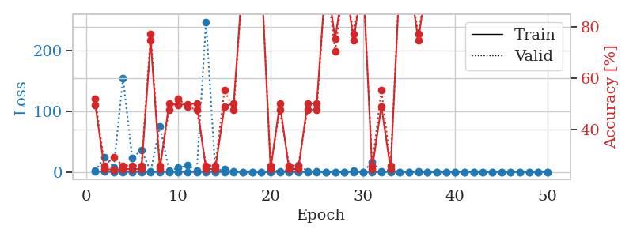
train_loss | valid_loss | train_accuracy | valid_accuracy | dur | train_misclass | valid_misclass
0.92395144701 | 1.8551026427 | 0.4972826087 | 0.52173913043 | 1.1501131058 | 49.72826087 | 52.173913043
0.38901762389 | 24.359229129 | 0.2472826087 | 0.26086956522 | 1.1489892006 | 24.72826087 | 26.086956522
0.2411787092 | 8.0976676941 | 0.24456521739 | 0.29347826087 | 1.1490614414 | 24.456521739 | 29.347826087
0.12225405929 | 154.26852616 | 0.2472826087 | 0.26086956522 | 1.1481907368 | 24.72826087 | 26.086956522
0.16008573546 | 23.127282599 | 0.2472826087 | 0.26086956522 | 1.1494233608 | 24.72826087 | 26.086956522
0.08542783775 | 35.918323019 | 0.2472826087 | 0.26086956522 | 1.1491765976 | 24.72826087 | 26.086956522
0.13796153978 | 0.89988485886 | 0.7472826087 | 0.77173913043 | 1.1503870487 | 74.72826087 | 77.173913043
0.19200121103 | 75.589533267 | 0.2472826087 | 0.26086956522 | 1.1486136913 | 24.72826087 | 26.086956522
0.1432356804 | 1.7668465065 | 0.5027173913 | 0.47826086957 | 1.1479692459 | 50.27173913 | 47.826086957
0.08375540726 | 6.9110181124 | 0.4972826087 | 0.52173913043 | 1.1485497952 | 49.72826087 | 52.173913043
0.24415028476 | 10.804831526 | 0.5 | 0.48913043478 | 1.1479513645 | 50 | 48.913043478
0.094928850562 | 2.5592528115 | 0.5027173913 | 0.47826086957 | 1.1479332447 | 50.27173913 | 47.826086957
0.20357224746 | 247.77990192 | 0.2472826087 | 0.26086956522 | 1.1488287449 | 24.72826087 | 26.086956522
0.040015878642 | 2.3050265105 | 0.2472826087 | 0.26086956522 | 1.1479799747 | 24.72826087 | 26.086956522
0.2059006311 | 4.3772158364 | 0.49184782609 | 0.55434782609 | 1.148141861 | 49.184782609 | 55.434782609
0.046409695247 | 0.93725679491 | 0.5027173913 | 0.47826086957 | 1.1477048397 | 50.27173913 | 47.826086957
0.026876226564 | 0.027915393205 | 1 | 1 | 1.1483523846 | 100 | 100
0.015379454202 | 0.037311607243 | 1 | 1 | 1.1490623951 | 100 | 100
0.013963374469 | 0.11666629885 | 1 | 1 | 1.1479065418 | 100 | 100
0.049422873071 | 3.0697722746 | 0.2472826087 | 0.26086956522 | 1.1484584808 | 24.72826087 | 26.086956522
0.062676430637 | 1.5464630282 | 0.5027173913 | 0.47826086957 | 1.1484022141 | 50.27173913 | 47.826086957
0.096996383549 | 2.4905328751 | 0.2472826087 | 0.26086956522 | 1.149777174 | 24.72826087 | 26.086956522
0.16959393692 | 10.927304765 | 0.2472826087 | 0.26086956522 | 1.1503329277 | 24.72826087 | 26.086956522
0.098297839589 | 1.4221346741 | 0.5027173913 | 0.47826086957 | 1.1494314671 | 50.27173913 | 47.826086957
0.10718101571 | 0.80747220568 | 0.5027173913 | 0.47826086957 | 1.1494548321 | 50.27173913 | 47.826086957
0.029012481523 | 0.029048210982 | 1 | 1 | 1.1501083374 | 100 | 100
0.025011402903 | 0.24146580437 | 0.75543478261 | 0.70652173913 | 1.1508255005 | 75.543478261 | 70.652173913
0.027504706846 | 0.0042716076233 | 1 | 1 | 1.1499550343 | 100 | 100
0.068114412623 | 2.2800700924 | 0.7472826087 | 0.77173913043 | 1.1493084431 | 74.72826087 | 77.173913043
0.044880084612 | 0.12046474024 | 1 | 1 | 1.150706768 | 100 | 100
0.21985003688 | 16.333492984 | 0.2472826087 | 0.26086956522 | 1.1500492096 | 24.72826087 | 26.086956522
0.055308983894 | 1.549106432 | 0.49184782609 | 0.55434782609 | 1.1501832008 | 49.184782609 | 55.434782609
0.2218341095 | 2.7759552106 | 0.2472826087 | 0.26086956522 | 1.1508743763 | 24.72826087 | 26.086956522
0.054211888741 | 0.19033642632 | 1 | 1 | 1.1501955986 | 100 | 100
0.02935115579 | 0.052261656069 | 1 | 1 | 1.1502659321 | 100 | 100
0.044677457868 | 0.38706655217 | 0.7472826087 | 0.77173913043 | 1.1499154568 | 74.72826087 | 77.173913043
0.0075672247103 | 0.0028502285055 | 1 | 1 | 1.150103569 | 100 | 100
0.0175698536 | 0.0019895495776 | 1 | 1 | 1.1516401768 | 100 | 100
0.042540055887 | 0.0023404274581 | 1 | 1 | 1.1505885124 | 100 | 100
0.031573757949 | 0.0014484247709 | 1 | 1 | 1.1512241364 | 100 | 100
0.01915444543 | 0.0013824123484 | 1 | 1 | 1.1506047249 | 100 | 100
0.14979938554 | 0.0023769528261 | 1 | 1 | 1.1515991688 | 100 | 100
0.030030179475 | 0.00094971054679 | 1 | 1 | 1.1504068375 | 100 | 100
0.13030239725 | 0.0013297968493 | 1 | 1 | 1.1514978409 | 100 | 100
0.036617488446 | 0.0016591679558 | 1 | 1 | 1.1501743793 | 100 | 100
0.013569431627 | 0.001784538835 | 1 | 1 | 1.1501185894 | 100 | 100
0.047637258715 | 0.0012986096402 | 1 | 1 | 1.1517617702 | 100 | 100
0.014091941644 | 0.00094434756624 | 1 | 1 | 1.1502358913 | 100 | 100
0.010543893871 | 0.0012840449547 | 1 | 1 | 1.1504068375 | 100 | 100
0.0087660043424 | 0.0019820721202 | 1 | 1 | 1.1507890224 | 100 | 100

Best Val accuracy is 1.0 and Best test accuracy is 1.0

Sheet5
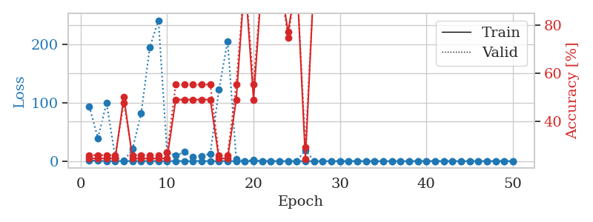
train_loss | valid_loss | train_accuracy | valid_accuracy | dur | train_misclass | valid_misclass
1.337352154 | 93.303107552 | 0.2472826087 | 0.26086956522 | 1.1477930546 | 24.72826087 | 26.086956522
0.59507885834 | 39.443851803 | 0.2472826087 | 0.26086956522 | 1.1476185322 | 24.72826087 | 26.086956522
0.20343932137 | 99.412783415 | 0.2472826087 | 0.26086956522 | 1.1459953785 | 24.72826087 | 26.086956522
0.25111398814 | 6.5397033899 | 0.2472826087 | 0.26086956522 | 1.1472268105 | 24.72826087 | 26.086956522
0.19659911096 | 0.53353360166 | 0.5027173913 | 0.47826086957 | 1.146787405 | 50.27173913 | 47.826086957
0.19285117685 | 20.685078787 | 0.2472826087 | 0.26086956522 | 1.1498963833 | 24.72826087 | 26.086956522
0.18251882696 | 81.513044274 | 0.2472826087 | 0.26086956522 | 1.1479179859 | 24.72826087 | 26.086956522
0.19980942268 | 194.56469262 | 0.2472826087 | 0.26086956522 | 1.1482360363 | 24.72826087 | 26.086956522
0.26277608327 | 240.56024634 | 0.2472826087 | 0.26086956522 | 1.1487364769 | 24.72826087 | 26.086956522
0.19015944174 | 14.962052387 | 0.2472826087 | 0.27173913043 | 1.1484193802 | 24.72826087 | 27.173913043
0.1683089391 | 9.6823724664 | 0.49184782609 | 0.55434782609 | 1.1490054131 | 49.184782609 | 55.434782609
0.084901293578 | 15.493016803 | 0.49184782609 | 0.55434782609 | 1.15041399 | 49.184782609 | 55.434782609
0.1255194729 | 7.4745573376 | 0.49184782609 | 0.55434782609 | 1.1476564407 | 49.184782609 | 55.434782609
0.16892973462 | 8.5266375127 | 0.49184782609 | 0.55434782609 | 1.149497509 | 49.184782609 | 55.434782609
0.025553639047 | 12.806496268 | 0.49184782609 | 0.55434782609 | 1.1487317085 | 49.184782609 | 55.434782609
0.1229019646 | 122.22579525 | 0.2472826087 | 0.26086956522 | 1.1488859653 | 24.72826087 | 26.086956522
0.24465344109 | 204.93619371 | 0.2472826087 | 0.26086956522 | 1.1488814354 | 24.72826087 | 26.086956522
0.054537582054 | 3.4377985571 | 0.49184782609 | 0.55434782609 | 1.1485936642 | 49.184782609 | 55.434782609
0.0072207837568 | 0.0012991811331 | 1 | 1 | 1.1500806808 | 100 | 100
0.09359712471 | 2.1086840604 | 0.49184782609 | 0.55434782609 | 1.150377512 | 49.184782609 | 55.434782609
0.09143667698 | 0.13270445848 | 1 | 1 | 1.1501467228 | 100 | 100
0.05268327045 | 0.0013458880788 | 1 | 1 | 1.1493957043 | 100 | 100
0.0062667941573 | 0.000970632673 | 1 | 1 | 1.1481466293 | 100 | 100
0.12220568879 | 0.18609229832 | 0.77173913043 | 0.75 | 1.1497945786 | 77.173913043 | 75
0.0095136039713 | 0.00069195579904 | 1 | 1 | 1.1500022411 | 100 | 100
0.078674190392 | 19.051910939 | 0.24456521739 | 0.29347826087 | 1.1501867771 | 24.456521739 | 29.347826087
0.026680635382 | 0.0013698644369 | 1 | 1 | 1.1495943069 | 100 | 100
0.0079398766772 | 0.00069262263487 | 1 | 1 | 1.1497542858 | 100 | 100
0.0078427437718 | 0.00059231282111 | 1 | 1 | 1.1504743099 | 100 | 100
0.0020631606736 | 0.0005291079705 | 1 | 1 | 1.1501786709 | 100 | 100
0.0027654843035 | 0.00051585408105 | 1 | 1 | 1.1501698494 | 100 | 100
0.0054659756766 | 0.00036871556253 | 1 | 1 | 1.150002718 | 100 | 100
0.013793766893 | 0.00044352763381 | 1 | 1 | 1.1505284309 | 100 | 100
0.017414274176 | 0.00088802891981 | 1 | 1 | 1.1498277187 | 100 | 100
0.0039348052954 | 0.0004397567726 | 1 | 1 | 1.1512117386 | 100 | 100
0.16720422988 | 0.0010877357765 | 1 | 1 | 1.150415659 | 100 | 100
0.039835671866 | 0.00036289223467 | 1 | 1 | 1.1507122517 | 100 | 100
0.0061497792308 | 0.00038704451277 | 1 | 1 | 1.1506750584 | 100 | 100
0.0011380345019 | 0.00039582918702 | 1 | 1 | 1.1498975754 | 100 | 100
0.12117659413 | 0.00044522375822 | 1 | 1 | 1.1510331631 | 100 | 100
0.0020063317561 | 0.00038047215924 | 1 | 1 | 1.1504204273 | 100 | 100
0.083297805838 | 0.00033130020513 | 1 | 1 | 1.1513490677 | 100 | 100
0.064905776131 | 0.00035674820474 | 1 | 1 | 1.1504313946 | 100 | 100
0.0098632113608 | 0.00038474458384 | 1 | 1 | 1.1506824493 | 100 | 100
0.014459035052 | 0.00039509653921 | 1 | 1 | 1.1514232159 | 100 | 100
0.029650243453 | 0.00036029726249 | 1 | 1 | 1.1508355141 | 100 | 100
0.017205484122 | 0.00037393839676 | 1 | 1 | 1.1510269642 | 100 | 100
0.076829130326 | 0.00036771814706 | 1 | 1 | 1.1518378258 | 100 | 100
0.016771400375 | 0.00035185708902 | 1 | 1 | 1.1507601738 | 100 | 100
0.012392245789 | 0.00039513886883 | 1 | 1 | 1.151569128 | 100 | 100

Best Val accuracy is 1.0 and Best test accuracy is 1.0

Sheet6
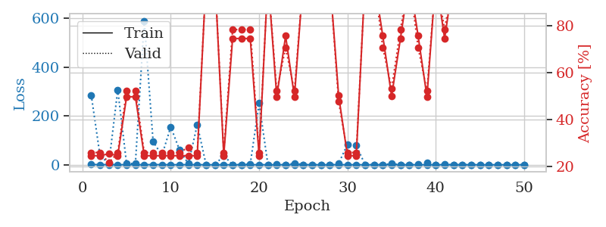
train_loss | valid_loss | train_accuracy | valid_accuracy | dur | train_misclass | valid_misclass
1.0481524493 | 286.04764059 | 0.2472826087 | 0.26086956522 | 1.14854002 | 24.72826087 | 26.086956522
0.556301678 | 35.605825673 | 0.2472826087 | 0.26086956522 | 1.1480381489 | 24.72826087 | 26.086956522
0.47219832792 | 6.6764069018 | 0.25543478261 | 0.21739130435 | 1.1504249573 | 25.543478261 | 21.739130435
0.44582302933 | 307.38498854 | 0.2472826087 | 0.26086956522 | 1.1477549076 | 24.72826087 | 26.086956522
0.13810382694 | 4.6772798559 | 0.4972826087 | 0.52173913043 | 1.1492257118 | 49.72826087 | 52.173913043
0.048720396023 | 5.7268643172 | 0.4972826087 | 0.52173913043 | 1.1514766216 | 49.72826087 | 52.173913043
0.20372259427 | 590.04176397 | 0.2472826087 | 0.26086956522 | 1.1490750313 | 24.72826087 | 26.086956522
0.69426536965 | 95.418887926 | 0.2472826087 | 0.26086956522 | 1.1483752728 | 24.72826087 | 26.086956522
0.44613864062 | 38.176806408 | 0.2472826087 | 0.26086956522 | 1.1502053738 | 24.72826087 | 26.086956522
0.13434618007 | 155.4047825 | 0.2472826087 | 0.26086956522 | 1.1485915184 | 24.72826087 | 26.086956522
0.19448499888 | 60.15607668 | 0.2472826087 | 0.26086956522 | 1.1501634121 | 24.72826087 | 26.086956522
0.43653194825 | 3.9059162244 | 0.2472826087 | 0.28260869565 | 1.1494550705 | 24.72826087 | 28.260869565
0.33035141205 | 164.28887873 | 0.2472826087 | 0.26086956522 | 1.1528594494 | 24.72826087 | 26.086956522
0.081433250933 | 0.058957026219 | 1 | 1 | 1.1518435478 | 100 | 100
0.054967653067 | 0.0036109414296 | 1 | 1 | 1.1498088837 | 100 | 100
0.13446980353 | 37.702587625 | 0.2472826087 | 0.26086956522 | 1.1503226757 | 24.72826087 | 26.086956522
0.035459639307 | 0.29985951891 | 0.74456521739 | 0.78260869565 | 1.1504149437 | 74.456521739 | 78.260869565
0.078909736602 | 0.63427819506 | 0.74456521739 | 0.78260869565 | 1.1494419575 | 74.456521739 | 78.260869565
0.098293013668 | 3.0758763811 | 0.74456521739 | 0.78260869565 | 1.1504888535 | 74.456521739 | 78.260869565
0.33871610131 | 252.06232685 | 0.2472826087 | 0.26086956522 | 1.1497759819 | 24.72826087 | 26.086956522
0.12466873164 | 0.058628756715 | 1 | 1 | 1.149674654 | 100 | 100
0.070596279435 | 3.3502480828 | 0.4972826087 | 0.52173913043 | 1.1503806114 | 49.72826087 | 52.173913043
0.047140463964 | 0.3721375595 | 0.75543478261 | 0.70652173913 | 1.1506061554 | 75.543478261 | 70.652173913
0.033767918641 | 6.5600355086 | 0.4972826087 | 0.52173913043 | 1.1496963501 | 49.72826087 | 52.173913043
0.020694470215 | 0.0032194893726 | 1 | 1 | 1.1505022049 | 100 | 100
0.026498933444 | 0.13230280821 | 1 | 1 | 1.150519371 | 100 | 100
0.019141549138 | 0.0014608084052 | 1 | 1 | 1.1499018669 | 100 | 100
0.014979386419 | 0.08810228077 | 1 | 1 | 1.1492681503 | 100 | 100
0.33760365878 | 5.3855181777 | 0.5027173913 | 0.47826086957 | 1.1499307156 | 50.27173913 | 47.826086957
0.058352395123 | 83.323559305 | 0.2472826087 | 0.26086956522 | 1.1506276131 | 24.72826087 | 26.086956522
0.15020286536 | 78.764116702 | 0.2472826087 | 0.26086956522 | 1.1510465145 | 24.72826087 | 26.086956522
0.019709347423 | 0.15347833024 | 1 | 1 | 1.1506080627 | 100 | 100
0.020759267449 | 0.0027004664096 | 1 | 1 | 1.1516151428 | 100 | 100
0.18623872524 | 0.39046126863 | 0.75543478261 | 0.70652173913 | 1.1504731178 | 75.543478261 | 70.652173913
0.097820199651 | 4.4723280357 | 0.5 | 0.53260869565 | 1.1507644653 | 50 | 53.260869565
0.025985118452 | 0.61812908818 | 0.74456521739 | 0.78260869565 | 1.1504693031 | 74.456521739 | 78.260869565
0.025467782985 | 0.0086022893412 | 1 | 1 | 1.1507844925 | 100 | 100
0.026840960384 | 1.1879627342 | 0.75543478261 | 0.70652173913 | 1.1504461765 | 75.543478261 | 70.652173913
0.050150168801 | 8.1887483389 | 0.4972826087 | 0.52173913043 | 1.1516535282 | 49.72826087 | 52.173913043
0.016873375093 | 0.010479439455 | 1 | 1 | 1.151068449 | 100 | 100
0.092808309249 | 1.2862653862 | 0.74456521739 | 0.78260869565 | 1.1515722275 | 74.456521739 | 78.260869565
0.021335096268 | 0.0025241415968 | 1 | 1 | 1.1515455246 | 100 | 100
0.012725315973 | 0.0027231325436 | 1 | 1 | 1.1513495445 | 100 | 100
0.020648761776 | 0.0018196349316 | 1 | 1 | 1.1510035992 | 100 | 100
0.010658940141 | 0.0016497021501 | 1 | 1 | 1.1509447098 | 100 | 100
0.01211579799 | 0.002073774752 | 1 | 1 | 1.1510620117 | 100 | 100
0.082185426094 | 0.0016269657417 | 1 | 1 | 1.1522243023 | 100 | 100
0.017214408615 | 0.0017953586623 | 1 | 1 | 1.1524441242 | 100 | 100
0.099638933994 | 0.001687739338 | 1 | 1 | 1.1517441273 | 100 | 100
0.010873502247 | 0.0015397598947 | 1 | 1 | 1.15178442 | 100 | 100

Best Val accuracy is 1.0 and Best test accuracy is 1.0

Sheet7
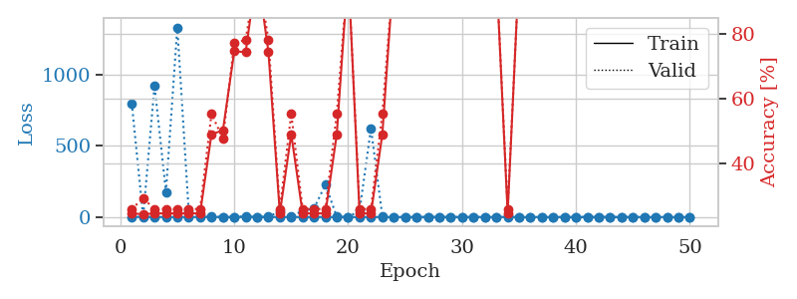
train_loss | valid_loss | train_accuracy | valid_accuracy | dur | train_misclass | valid_misclass
1.0741679332 | 801.02876613 | 0.2472826087 | 0.26086956522 | 1.1509225368 | 24.72826087 | 26.086956522
0.47210785293 | 2.7228180015 | 0.24456521739 | 0.29347826087 | 1.1490695477 | 24.456521739 | 29.347826087
0.30884169123 | 925.87597391 | 0.2472826087 | 0.26086956522 | 1.1487362385 | 24.72826087 | 26.086956522
0.2138761452 | 176.91432588 | 0.2472826087 | 0.26086956522 | 1.1486465931 | 24.72826087 | 26.086956522
0.19571849935 | 1334.3330078 | 0.2472826087 | 0.26086956522 | 1.1488537788 | 24.72826087 | 26.086956522
0.12663677487 | 38.174284064 | 0.2472826087 | 0.26086956522 | 1.1498241425 | 24.72826087 | 26.086956522
0.22727003475 | 11.554383527 | 0.2472826087 | 0.26086956522 | 1.1487407684 | 24.72826087 | 26.086956522
0.23043187615 | 2.8532797772 | 0.49184782609 | 0.55434782609 | 1.1497426033 | 49.184782609 | 55.434782609
0.077326004363 | 0.87188984778 | 0.5027173913 | 0.47826086957 | 1.1506457329 | 50.27173913 | 47.826086957
0.11336813278 | 0.35936972758 | 0.7472826087 | 0.77173913043 | 1.1493728161 | 74.72826087 | 77.173913043
0.1254101212 | 5.8589956968 | 0.74456521739 | 0.78260869565 | 1.1500675678 | 74.456521739 | 78.260869565
0.038722026316 | 0.016451742257 | 1 | 1 | 1.151591301 | 100 | 100
0.2479187489 | 3.2653967246 | 0.74456521739 | 0.78260869565 | 1.1503455639 | 74.456521739 | 78.260869565
0.15332820655 | 37.748144896 | 0.2472826087 | 0.26086956522 | 1.148001194 | 24.72826087 | 26.086956522
0.11283479378 | 5.586495555 | 0.49184782609 | 0.55434782609 | 1.1505608559 | 49.184782609 | 55.434782609
0.21164126276 | 42.345509902 | 0.2472826087 | 0.26086956522 | 1.1498360634 | 24.72826087 | 26.086956522
0.097976748325 | 60.914299343 | 0.2472826087 | 0.26086956522 | 1.1496543884 | 24.72826087 | 26.086956522
0.38293941549 | 227.90009009 | 0.2472826087 | 0.26086956522 | 1.1499433517 | 24.72826087 | 26.086956522
0.062347192074 | 1.9281439963 | 0.49184782609 | 0.55434782609 | 1.1496462822 | 49.184782609 | 55.434782609
0.020653703797 | 0.039459628903 | 1 | 1 | 1.1509821415 | 100 | 100
0.020525151494 | 44.495575615 | 0.2472826087 | 0.26086956522 | 1.1504218578 | 24.72826087 | 26.086956522
0.13563483807 | 623.52153745 | 0.2472826087 | 0.26086956522 | 1.1510360241 | 24.72826087 | 26.086956522
0.23708397267 | 5.4949971593 | 0.49184782609 | 0.55434782609 | 1.1506047249 | 49.184782609 | 55.434782609
0.11569476879 | 0.0095022482919 | 1 | 1 | 1.1517481804 | 100 | 100
0.034409417811 | 0.004934964246 | 1 | 1 | 1.1498029232 | 100 | 100
0.014801566449 | 0.0024921044647 | 1 | 1 | 1.1522083282 | 100 | 100
0.008332544467 | 0.0010326012903 | 1 | 1 | 1.1525197029 | 100 | 100
0.018702856374 | 0.0012139337866 | 1 | 1 | 1.1503567696 | 100 | 100
0.006149084473 | 0.00063497042941 | 1 | 1 | 1.1506996155 | 100 | 100
0.0048743565086 | 0.00045452208977 | 1 | 1 | 1.1507894993 | 100 | 100
0.32147256129 | 0.0067910933867 | 1 | 1 | 1.1516709328 | 100 | 100
0.090755613399 | 0.002367521702 | 1 | 1 | 1.1526114941 | 100 | 100
0.14574865911 | 0.010741045334 | 1 | 1 | 1.153935194 | 100 | 100
0.22382954487 | 12.447443382 | 0.2472826087 | 0.26086956522 | 1.1509754658 | 24.72826087 | 26.086956522
0.10257783792 | 0.0013106105718 | 1 | 1 | 1.150582552 | 100 | 100
0.092770600912 | 0.00057403964456 | 1 | 1 | 1.1505403519 | 100 | 100
0.026895865429 | 0.00065155338202 | 1 | 1 | 1.1501874924 | 100 | 100
0.058896240115 | 0.0014268824193 | 1 | 1 | 1.1501631737 | 100 | 100
0.010411890792 | 0.00035142440364 | 1 | 1 | 1.1503553391 | 100 | 100
0.016032616317 | 0.00031711399915 | 1 | 1 | 1.1508078575 | 100 | 100
0.0057456799019 | 0.00039090131506 | 1 | 1 | 1.1516575813 | 100 | 100
0.0066721386329 | 0.00072296256574 | 1 | 1 | 1.1510639191 | 100 | 100
0.017028837493 | 0.00062418908245 | 1 | 1 | 1.1512832642 | 100 | 100
0.0061289728746 | 0.00036447067143 | 1 | 1 | 1.1501224041 | 100 | 100
0.019497964102 | 0.00028947857335 | 1 | 1 | 1.1517527103 | 100 | 100
0.10483225895 | 0.00024047281603 | 1 | 1 | 1.1515753269 | 100 | 100
0.021740053386 | 0.00027540366864 | 1 | 1 | 1.1510584354 | 100 | 100
0.12019723318 | 0.00028425309638 | 1 | 1 | 1.1515314579 | 100 | 100
0.0053111699058 | 0.00034286905935 | 1 | 1 | 1.1509690285 | 100 | 100
0.032265940671 | 0.00040903240417 | 1 | 1 | 1.1510953903 | 100 | 100

Best Val accuracy is 1.0 and Best test accuracy is 1.0

Sheet8
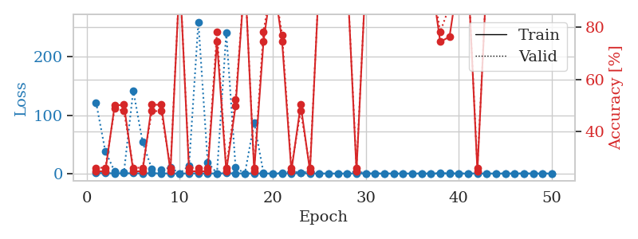
train_loss | valid_loss | train_accuracy | valid_accuracy | dur | train_misclass | valid_misclass
0.90978697849 | 121.81523729 | 0.2472826087 | 0.26086956522 | 1.1543951035 | 24.72826087 | 26.086956522
0.6006936703 | 37.755046844 | 0.2472826087 | 0.26086956522 | 1.1462192535 | 24.72826087 | 26.086956522
0.31688574151 | 3.5237837356 | 0.5 | 0.48913043478 | 1.1506819725 | 50 | 48.913043478
0.33571320092 | 2.3985683089 | 0.5027173913 | 0.47826086957 | 1.1504178047 | 50.27173913 | 47.826086957
0.36730520962 | 142.33467998 | 0.2472826087 | 0.26086956522 | 1.1484603882 | 24.72826087 | 26.086956522
0.30244318007 | 54.037099921 | 0.2472826087 | 0.26086956522 | 1.1484980583 | 24.72826087 | 26.086956522
0.37026240774 | 7.3909148341 | 0.5027173913 | 0.47826086957 | 1.1498658657 | 50.27173913 | 47.826086957
0.18788654058 | 5.8945171315 | 0.5027173913 | 0.47826086957 | 1.150015831 | 50.27173913 | 47.826086957
0.11813563453 | 10.243474877 | 0.2472826087 | 0.26086956522 | 1.1489138603 | 24.72826087 | 26.086956522
0.039263291163 | 0.21391513879 | 1 | 1 | 1.1496865749 | 100 | 100
0.15827353983 | 13.623461184 | 0.2472826087 | 0.26086956522 | 1.1522829533 | 24.72826087 | 26.086956522
0.27202353643 | 259.7520135 | 0.2472826087 | 0.26086956522 | 1.1499638557 | 24.72826087 | 26.086956522
0.11959291501 | 19.302604634 | 0.2472826087 | 0.26086956522 | 1.1494777203 | 24.72826087 | 26.086956522
0.079918535932 | 0.29949614276 | 0.74456521739 | 0.78260869565 | 1.1492943764 | 74.456521739 | 78.260869565
0.469527808 | 240.83906887 | 0.2472826087 | 0.26086956522 | 1.1507637501 | 24.72826087 | 26.086956522
0.12981763759 | 10.151123358 | 0.4972826087 | 0.52173913043 | 1.1503152847 | 49.72826087 | 52.173913043
0.19757276678 | 0.010166751099 | 1 | 1 | 1.1490933895 | 100 | 100
0.26337226804 | 87.086088429 | 0.2472826087 | 0.26086956522 | 1.151235342 | 24.72826087 | 26.086956522
0.076841317988 | 1.0320020085 | 0.74456521739 | 0.78260869565 | 1.1496305466 | 74.456521739 | 78.260869565
0.030015359931 | 0.0019300907607 | 1 | 1 | 1.1487281322 | 100 | 100
0.1006443056 | 0.74941964512 | 0.7472826087 | 0.77173913043 | 1.1505763531 | 74.72826087 | 77.173913043
0.2871192553 | 3.6324606253 | 0.2472826087 | 0.26086956522 | 1.149949789 | 24.72826087 | 26.086956522
0.3694354253 | 1.3109592562 | 0.5027173913 | 0.47826086957 | 1.1497936249 | 50.27173913 | 47.826086957
0.11573527652 | 3.5194573091 | 0.2472826087 | 0.26086956522 | 1.1505601406 | 24.72826087 | 26.086956522
0.057104779974 | 0.018142065519 | 1 | 1 | 1.1504244804 | 100 | 100
0.022527169234 | 0.011355149033 | 1 | 1 | 1.1487226486 | 100 | 100
0.012255667532 | 0.001658393146 | 1 | 1 | 1.150851965 | 100 | 100
0.038345992079 | 0.2019971324 | 1 | 1 | 1.1501810551 | 100 | 100
0.15815922467 | 4.054904492 | 0.2472826087 | 0.26086956522 | 1.1506714821 | 24.72826087 | 26.086956522
0.048097482027 | 0.0013016944589 | 1 | 1 | 1.1503841877 | 100 | 100
0.02409291071 | 0.001389589925 | 1 | 1 | 1.1506528854 | 100 | 100
0.013816116869 | 0.0016673646548 | 1 | 1 | 1.1519665718 | 100 | 100
0.046139262202 | 0.049256326874 | 1 | 1 | 1.1511113644 | 100 | 100
0.038860558158 | 0.005729618786 | 1 | 1 | 1.1507296562 | 100 | 100
0.026146758181 | 0.0028207678267 | 1 | 1 | 1.1508142948 | 100 | 100
0.053079248168 | 0.0017755487833 | 1 | 1 | 1.1515233517 | 100 | 100
0.019535731084 | 0.0038874911792 | 1 | 1 | 1.1526174545 | 100 | 100
0.1064574994 | 0.50234141039 | 0.74456521739 | 0.78260869565 | 1.1506700516 | 74.456521739 | 78.260869565
0.040765312404 | 0.38540900401 | 0.76358695652 | 0.88043478261 | 1.150860548 | 76.358695652 | 88.043478261
0.027802401045 | 0.0015735991107 | 1 | 1 | 1.1524679661 | 100 | 100
0.0041917711193 | 0.0013811991995 | 1 | 1 | 1.1521177292 | 100 | 100
0.093810366983 | 1.2166010193 | 0.2472826087 | 0.26086956522 | 1.1522872448 | 24.72826087 | 26.086956522
0.052950637344 | 0.013356332465 | 1 | 1 | 1.1532635689 | 100 | 100
0.017107807631 | 0.0022346686835 | 1 | 1 | 1.1531615257 | 100 | 100
0.013599664079 | 0.0020615868777 | 1 | 1 | 1.1544611454 | 100 | 100
0.072969620339 | 0.0030133999864 | 1 | 1 | 1.1529843807 | 100 | 100
0.016433754334 | 0.0018554617671 | 1 | 1 | 1.1535329819 | 100 | 100
0.0041325502705 | 0.0017588525737 | 1 | 1 | 1.1514940262 | 100 | 100
0.010888862034 | 0.0014783683557 | 1 | 1 | 1.151663065 | 100 | 100
0.018263720973 | 0.0016384926908 | 1 | 1 | 1.152766943 | 100 | 100

Best Val accuracy is 1.0 and Best test accuracy is 1.0

Sheet9
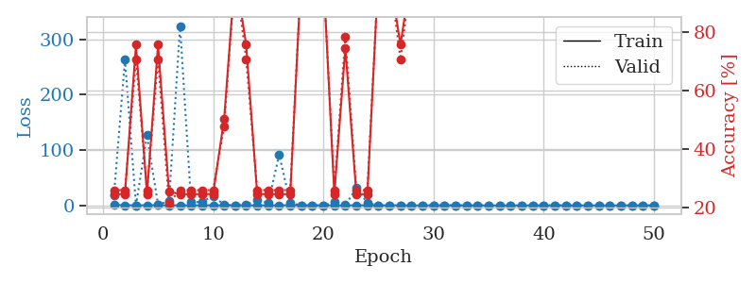
train_loss | valid_loss | train_accuracy | valid_accuracy | dur | train_misclass | valid_misclass
0.81783997106 | 18.483066808 | 0.2472826087 | 0.26086956522 | 1.1488187313 | 24.72826087 | 26.086956522
0.35597206393 | 263.04416822 | 0.2472826087 | 0.26086956522 | 1.1489875317 | 24.72826087 | 26.086956522
0.29618095477 | 0.28788203778 | 0.75543478261 | 0.70652173913 | 1.1507451534 | 75.543478261 | 70.652173913
0.25180790541 | 126.87761688 | 0.2472826087 | 0.26086956522 | 1.1504733562 | 24.72826087 | 26.086956522
0.45226374771 | 1.8467971864 | 0.75543478261 | 0.70652173913 | 1.1488056183 | 75.543478261 | 70.652173913
0.13611478148 | 7.3643095597 | 0.25543478261 | 0.21739130435 | 1.1488275528 | 25.543478261 | 21.739130435
0.17909675213 | 324.35766469 | 0.2472826087 | 0.26086956522 | 1.1513097286 | 24.72826087 | 26.086956522
0.13053775569 | 5.7670954829 | 0.2472826087 | 0.26086956522 | 1.1502387524 | 24.72826087 | 26.086956522
0.25141001744 | 6.2624939421 | 0.2472826087 | 0.26086956522 | 1.1493167877 | 24.72826087 | 26.086956522
0.24769008676 | 17.035797492 | 0.2472826087 | 0.26086956522 | 1.1515643597 | 24.72826087 | 26.086956522
0.25483753571 | 1.1246146275 | 0.5027173913 | 0.47826086957 | 1.1507456303 | 50.27173913 | 47.826086957
0.20933636231 | 0.25973221919 | 1 | 1 | 1.148594141 | 100 | 100
0.12129842391 | 1.0808337564 | 0.75543478261 | 0.70652173913 | 1.1522428989 | 75.543478261 | 70.652173913
0.13991431643 | 9.0241754366 | 0.2472826087 | 0.26086956522 | 1.1509232521 | 24.72826087 | 26.086956522
0.026939875866 | 4.3259621185 | 0.2472826087 | 0.26086956522 | 1.1506457329 | 24.72826087 | 26.086956522
0.18253586882 | 91.779914856 | 0.2472826087 | 0.26086956522 | 1.1519730091 | 24.72826087 | 26.086956522
0.35428477877 | 4.0917563127 | 0.2472826087 | 0.26086956522 | 1.1513454914 | 24.72826087 | 26.086956522
0.19236325707 | 0.013104244459 | 1 | 1 | 1.1523692608 | 100 | 100
0.069245954186 | 0.013545068426 | 1 | 1 | 1.150149107 | 100 | 100
0.21558629832 | 0.027129515925 | 1 | 1 | 1.1499080658 | 100 | 100
0.10294183106 | 5.6402307386 | 0.2472826087 | 0.26086956522 | 1.1493830681 | 24.72826087 | 26.086956522
0.16766958509 | 0.45210420956 | 0.74456521739 | 0.78260869565 | 1.1500678062 | 74.456521739 | 78.260869565
0.092285407808 | 31.454951079 | 0.2472826087 | 0.26086956522 | 1.1497967243 | 24.72826087 | 26.086956522
0.3425247994 | 4.5075382357 | 0.2472826087 | 0.26086956522 | 1.1512458324 | 24.72826087 | 26.086956522
0.10950365113 | 0.073018202315 | 1 | 1 | 1.1517512798 | 100 | 100
0.14357595176 | 0.0027083047038 | 1 | 1 | 1.152207613 | 100 | 100
0.25208904165 | 0.38359382878 | 0.75543478261 | 0.70652173913 | 1.1517179012 | 75.543478261 | 70.652173913
0.052322711107 | 0.010954048383 | 1 | 1 | 1.1521146297 | 100 | 100
0.066384592309 | 0.010706090449 | 1 | 1 | 1.1528618336 | 100 | 100
0.1469652799 | 0.06365780338 | 1 | 1 | 1.1522331238 | 100 | 100
0.28333254121 | 0.032415670059 | 1 | 1 | 1.1500930786 | 100 | 100
0.12111209995 | 0.096192817325 | 1 | 1 | 1.1501045227 | 100 | 100
0.036291497537 | 0.0017009541068 | 1 | 1 | 1.1502466202 | 100 | 100
0.029774224907 | 0.014437573436 | 1 | 1 | 1.1506912708 | 100 | 100
0.024625721595 | 0.0038788780246 | 1 | 1 | 1.15031147 | 100 | 100
0.012162699432 | 0.0014199924848 | 1 | 1 | 1.1507043839 | 100 | 100
0.0099729260116 | 0.0013846562639 | 1 | 1 | 1.1497559547 | 100 | 100
0.024087401952 | 0.00089327402352 | 1 | 1 | 1.1513400078 | 100 | 100
0.016933200354 | 0.0014972316871 | 1 | 1 | 1.1498274803 | 100 | 100
0.034819837786 | 0.0029805547092 | 1 | 1 | 1.1508975029 | 100 | 100
0.020084029648 | 0.0011012450964 | 1 | 1 | 1.1506617069 | 100 | 100
0.090531221092 | 0.0054754721932 | 1 | 1 | 1.1507782936 | 100 | 100
0.030003859115 | 0.0015840961385 | 1 | 1 | 1.1500368118 | 100 | 100
0.03064936548 | 0.00072575396727 | 1 | 1 | 1.1505234241 | 100 | 100
0.051082567347 | 0.0031213572289 | 1 | 1 | 1.1507050991 | 100 | 100
0.01960157437 | 0.0011136742845 | 1 | 1 | 1.1511526108 | 100 | 100
0.02630775929 | 0.00068909640211 | 1 | 1 | 1.1504635811 | 100 | 100
0.012875411085 | 0.0008479651499 | 1 | 1 | 1.1515035629 | 100 | 100
0.0084219055033 | 0.00064819529602 | 1 | 1 | 1.1513786316 | 100 | 100
0.022222269921 | 0.00077647918268 | 1 | 1 | 1.1514394283 | 100 | 100

Best Val accuracy is 1.0 and Best test accuracy is 1.0

Sheet10
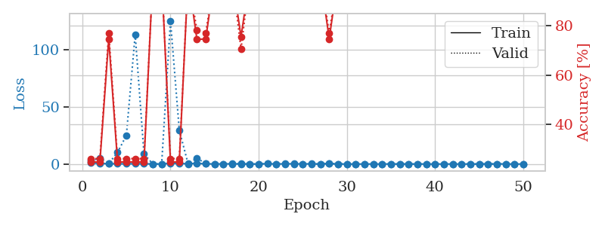
train_loss | valid_loss | train_accuracy | valid_accuracy | dur | train_misclass | valid_misclass
0.87741746073 | 2.8072498881 | 0.2472826087 | 0.26086956522 | 1.1537806988 | 24.72826087 | 26.086956522
0.53067034613 | 5.2993454519 | 0.2472826087 | 0.26086956522 | 1.1480569839 | 24.72826087 | 26.086956522
0.28383253158 | 0.47859271713 | 0.7472826087 | 0.77173913043 | 1.1475968361 | 74.72826087 | 77.173913043
0.21389731797 | 10.18914173 | 0.2472826087 | 0.26086956522 | 1.1489467621 | 24.72826087 | 26.086956522
0.19896310584 | 25.068855203 | 0.2472826087 | 0.26086956522 | 1.1473302841 | 24.72826087 | 26.086956522
0.2893943602 | 113.43810272 | 0.2472826087 | 0.26086956522 | 1.1484177113 | 24.72826087 | 26.086956522
0.18986233231 | 8.7590881223 | 0.2472826087 | 0.26086956522 | 1.15107584 | 24.72826087 | 26.086956522
0.11273464101 | 0.096987930653 | 1 | 1 | 1.151263237 | 100 | 100
0.031953498559 | 0.035462758787 | 1 | 1 | 1.1510243416 | 100 | 100
0.75261796728 | 125.47370214 | 0.2472826087 | 0.26086956522 | 1.1501643658 | 24.72826087 | 26.086956522
0.45092035879 | 29.554056997 | 0.2472826087 | 0.26086956522 | 1.150916338 | 24.72826087 | 26.086956522
0.30653229623 | 0.15244279478 | 1 | 1 | 1.1501100063 | 100 | 100
0.64374227231 | 5.2461284244 | 0.74456521739 | 0.78260869565 | 1.1488444805 | 74.456521739 | 78.260869565
0.16989967195 | 0.27103915746 | 0.7472826087 | 0.77173913043 | 1.1512117386 | 74.72826087 | 77.173913043
0.12227452449 | 0.016879497784 | 1 | 1 | 1.1495776176 | 100 | 100
0.1499379009 | 0.024715410303 | 1 | 1 | 1.1496832371 | 100 | 100
0.22494141547 | 0.055431695088 | 1 | 1 | 1.1495325565 | 100 | 100
0.087250621382 | 0.2701617259 | 0.75543478261 | 0.70652173913 | 1.148406744 | 75.543478261 | 70.652173913
0.041444500827 | 0.011929630707 | 1 | 1 | 1.151021719 | 100 | 100
0.043464368472 | 0.0059270684243 | 1 | 1 | 1.1485874653 | 100 | 100
0.33588329967 | 0.28813040257 | 1 | 1 | 1.1496145725 | 100 | 100
0.051186225711 | 0.0055579777969 | 1 | 1 | 1.1514134407 | 100 | 100
0.2202242207 | 0.027065274832 | 1 | 1 | 1.150149107 | 100 | 100
0.22751839949 | 0.099057770942 | 1 | 1 | 1.1496186256 | 100 | 100
0.1278877377 | 0.036123772678 | 1 | 1 | 1.1494457722 | 100 | 100
0.20198957446 | 0.027352677739 | 1 | 1 | 1.1492671967 | 100 | 100
0.049727019692 | 0.0068524427226 | 1 | 1 | 1.1494858265 | 100 | 100
0.28768053026 | 0.69828336394 | 0.7472826087 | 0.77173913043 | 1.1496500969 | 74.72826087 | 77.173913043
0.023945779206 | 0.019218308851 | 1 | 1 | 1.14858675 | 100 | 100
0.054016974977 | 0.0060624182427 | 1 | 1 | 1.1496841908 | 100 | 100
0.029467761628 | 0.0027508325369 | 1 | 1 | 1.1485216618 | 100 | 100
0.027547495753 | 0.0028805130506 | 1 | 1 | 1.1501536369 | 100 | 100
0.060584865622 | 0.0019331213401 | 1 | 1 | 1.1494596004 | 100 | 100
0.026997528305 | 0.0017103839858 | 1 | 1 | 1.150124073 | 100 | 100
0.091333985212 | 0.0030064204627 | 1 | 1 | 1.1503264904 | 100 | 100
0.059089345893 | 0.0018327050468 | 1 | 1 | 1.1574878693 | 100 | 100
0.061998556469 | 0.0019659556489 | 1 | 1 | 1.1566905975 | 100 | 100
0.024640407722 | 0.0014788835644 | 1 | 1 | 1.151153326 | 100 | 100
0.056215080357 | 0.0018131572642 | 1 | 1 | 1.1517319679 | 100 | 100
0.033161603648 | 0.0010885990873 | 1 | 1 | 1.1509444714 | 100 | 100
0.044289399313 | 0.001205550041 | 1 | 1 | 1.1501605511 | 100 | 100
0.036357604387 | 0.0012961998936 | 1 | 1 | 1.1509358883 | 100 | 100
0.061582997985 | 0.0011733450937 | 1 | 1 | 1.1509277821 | 100 | 100
0.023367687893 | 0.001464416774 | 1 | 1 | 1.1550123692 | 100 | 100
0.10281178705 | 0.0014270526489 | 1 | 1 | 1.1534693241 | 100 | 100
0.13704824782 | 0.0013007665326 | 1 | 1 | 1.152223587 | 100 | 100
0.14553064364 | 0.0013149312454 | 1 | 1 | 1.1507427692 | 100 | 100
0.10725589931 | 0.0012899446048 | 1 | 1 | 1.1506905556 | 100 | 100
0.021182944026 | 0.0013595518616 | 1 | 1 | 1.1514444351 | 100 | 100
0.038350439175 | 0.0013769614794 | 1 | 1 | 1.1514816284 | 100 | 100

Best Val accuracy is 1.0 and Best test accuracy is 1.0

