Sheet
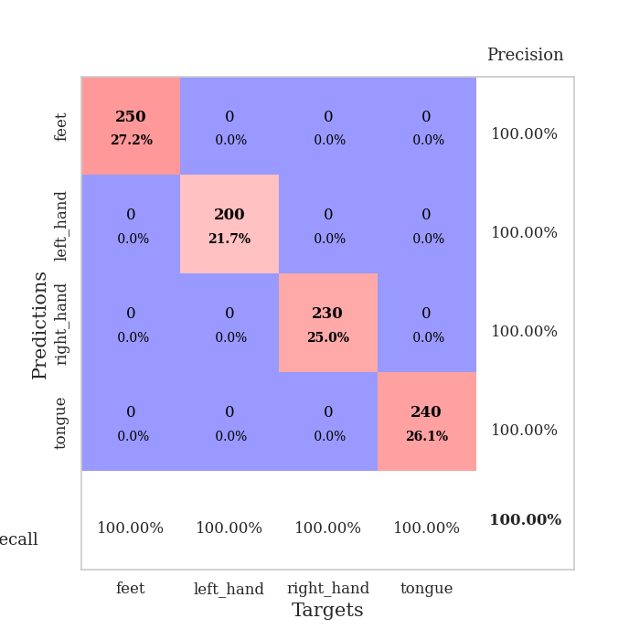
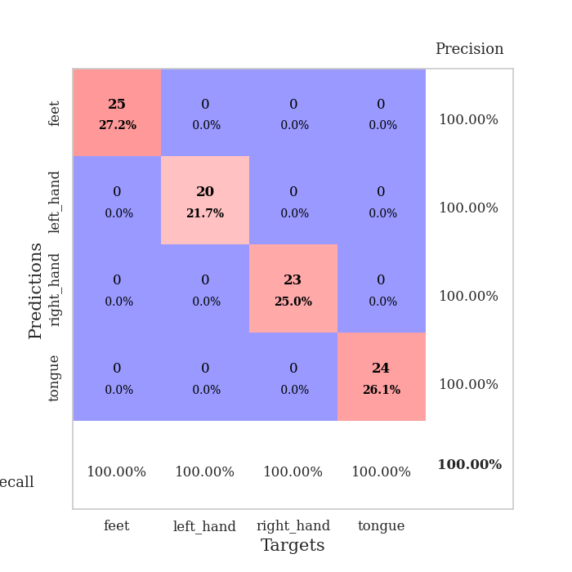
best_val_acc | best_val_los | best_test_acc
1 | 0.0011236084544 | 1
1 | 0.0016957992111 | 1
1 | 0.00059408202524 | 1
1 | 0.0012562158315 | 1
1 | 0.00068952858893 | 1
1 | 0.0012815953789 | 1
1 | 0.0010121391312 | 1
1 | 0.001251064327 | 1
1 | 0.00013722758709 | 1
1 | 0.0012247950881 | 1

Mean,std Val accuracy is 1.0 , 0.0 and mean, std test accuracy is 1.0 , 0.0

Sheet1
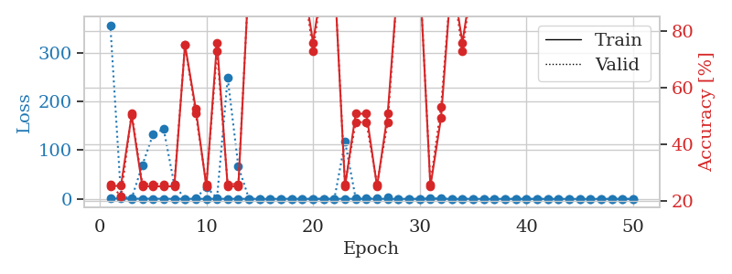
train_loss | valid_loss | train_accuracy | valid_accuracy | dur | train_misclass | valid_misclass
0.92516189425 | 1.6485622447 | 0.2527173913 | 0.26086956522 | 1.149913311 | 25.27173913 | 26.086956522
0.34022127027 | 1.1197446818 | 0.74456521739 | 0.78260869565 | 1.1490731239 | 74.456521739 | 78.260869565
0.28636691298 | 52.808731577 | 0.2527173913 | 0.26086956522 | 1.1496248245 | 25.27173913 | 26.086956522
0.2089128065 | 1.2694616473 | 0.50815217391 | 0.47826086957 | 1.1509006023 | 50.815217391 | 47.826086957
0.26488832603 | 46.530999059 | 0.2527173913 | 0.26086956522 | 1.1502385139 | 25.27173913 | 26.086956522
0.36507363877 | 635.81893257 | 0.2527173913 | 0.26086956522 | 1.1511051655 | 25.27173913 | 26.086956522
0.20766718103 | 5.051042619 | 0.2527173913 | 0.26086956522 | 1.1512227058 | 25.27173913 | 26.086956522
0.11231205272 | 6.7886102925 | 0.2527173913 | 0.26086956522 | 1.1507608891 | 25.27173913 | 26.086956522
0.11553552842 | 2.3209122575 | 0.50815217391 | 0.47826086957 | 1.1513159275 | 50.815217391 | 47.826086957
0.040863606856 | 3.1109400314 | 0.2527173913 | 0.26086956522 | 1.1511418819 | 25.27173913 | 26.086956522
0.26073085124 | 12.449635837 | 0.2527173913 | 0.26086956522 | 1.1515200138 | 25.27173913 | 26.086956522
0.12245071327 | 1.0470641903 | 0.5027173913 | 0.51086956522 | 1.1514327526 | 50.27173913 | 51.086956522
0.23945951172 | 4.4359162787 | 0.49456521739 | 0.53260869565 | 1.1528391838 | 49.456521739 | 53.260869565
0.17732092918 | 8.3274307044 | 0.2527173913 | 0.26086956522 | 1.1500394344 | 25.27173913 | 26.086956522
0.17458222284 | 12.404554906 | 0.49456521739 | 0.53260869565 | 1.1541423798 | 49.456521739 | 53.260869565
0.15935487377 | 1.6297860301 | 0.75815217391 | 0.72826086957 | 1.1538078785 | 75.815217391 | 72.826086957
0.054312093082 | 20.598027022 | 0.2527173913 | 0.26086956522 | 1.1525275707 | 25.27173913 | 26.086956522
0.016994442345 | 0.016998347826 | 1 | 1 | 1.1504092216 | 100 | 100
0.56559703014 | 4.400332907 | 0.2527173913 | 0.26086956522 | 1.1516366005 | 25.27173913 | 26.086956522
0.15642202763 | 0.061161495421 | 1 | 1 | 1.1507203579 | 100 | 100
0.079816512389 | 0.0030347687476 | 1 | 1 | 1.1512026787 | 100 | 100
0.037562713715 | 0.0028465237145 | 1 | 1 | 1.1518008709 | 100 | 100
0.08295891437 | 0.14631746094 | 1 | 1 | 1.1495945454 | 100 | 100
0.063793365216 | 0.00064487359107 | 1 | 1 | 1.1496574879 | 100 | 100
0.030674839334 | 0.0061104880524 | 1 | 1 | 1.1504950523 | 100 | 100
0.020616897858 | 0.00067291259209 | 1 | 1 | 1.1507689953 | 100 | 100
0.20593394707 | 266.79270537 | 0.2527173913 | 0.26086956522 | 1.1507561207 | 25.27173913 | 26.086956522
0.044353624452 | 7.0171051233 | 0.2527173913 | 0.26086956522 | 1.1502583027 | 25.27173913 | 26.086956522
0.080392764183 | 0.012895500409 | 1 | 1 | 1.1511490345 | 100 | 100
0.0093560395813 | 0.0017289810045 | 1 | 1 | 1.1520524025 | 100 | 100
0.0087234622485 | 0.00066725830244 | 1 | 1 | 1.1517329216 | 100 | 100
0.030557058807 | 0.00081142006725 | 1 | 1 | 1.1510920525 | 100 | 100
0.050801854626 | 12.588172954 | 0.2527173913 | 0.26086956522 | 1.1521589756 | 25.27173913 | 26.086956522
0.027060851566 | 7.8407633408 | 0.2527173913 | 0.26086956522 | 1.1523470879 | 25.27173913 | 26.086956522
0.013955640176 | 2.4399971029 | 0.2527173913 | 0.26086956522 | 1.1522393227 | 25.27173913 | 26.086956522
0.0063575582007 | 0.00076674017043 | 1 | 1 | 1.1524124146 | 100 | 100
0.028004439915 | 0.12593403297 | 1 | 1 | 1.1552181244 | 100 | 100
0.0018506765381 | 0.00097175898364 | 1 | 1 | 1.1542170048 | 100 | 100
0.0039819123087 | 0.00096229248194 | 1 | 1 | 1.1532809734 | 100 | 100
0.11001168862 | 0.18562356609 | 0.77989130435 | 0.82608695652 | 1.1525993347 | 77.989130435 | 82.608695652
0.029815674678 | 0.0014961758456 | 1 | 1 | 1.1549372673 | 100 | 100
0.0054871149781 | 0.0011045598303 | 1 | 1 | 1.1528334618 | 100 | 100
0.01087403363 | 0.0049218294798 | 1 | 1 | 1.152572155 | 100 | 100
0.0081011772753 | 0.0034114143143 | 1 | 1 | 1.1553485394 | 100 | 100
0.0035483820197 | 0.00091071782947 | 1 | 1 | 1.1527137756 | 100 | 100
0.01033501631 | 0.00069634477942 | 1 | 1 | 1.1525890827 | 100 | 100
0.020341308 | 0.0006848421788 | 1 | 1 | 1.1508467197 | 100 | 100
0.0035314823617 | 0.00087094235831 | 1 | 1 | 1.1538541317 | 100 | 100
0.012520532357 | 0.00068179205181 | 1 | 1 | 1.151157856 | 100 | 100
0.0036450180746 | 0.00081928001474 | 1 | 1 | 1.1509888172 | 100 | 100

Best Val accuracy is 1.0 and Best test accuracy is 1.0
train_loss | valid_loss | train_accuracy | valid_accuracy | dur | train_misclass | valid_misclass
0.9632117515 | 356.28190414 | 0.2527173913 | 0.26086956522 | 3.6465070248 | 25.27173913 | 26.086956522
0.56106519051 | 5.1032073187 | 0.25543478261 | 0.21739130435 | 1.1323416233 | 25.543478261 | 21.739130435
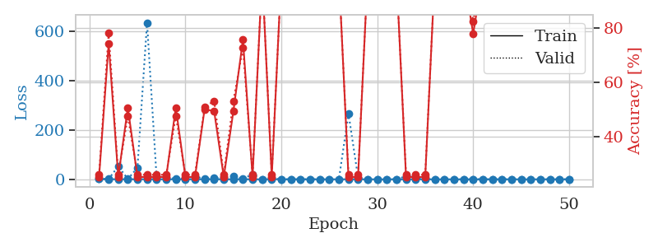
0.29994701821 | 0.94390382974 | 0.5027173913 | 0.51086956522 | 1.1294529438 | 50.27173913 | 51.086956522
0.41830002128 | 68.910645029 | 0.2527173913 | 0.26086956522 | 1.1331455708 | 25.27173913 | 26.086956522
0.36872950974 | 132.21117103 | 0.2527173913 | 0.26086956522 | 1.1299333572 | 25.27173913 | 26.086956522
0.26356850735 | 143.22058636 | 0.2527173913 | 0.26086956522 | 1.1315555573 | 25.27173913 | 26.086956522
0.11931751693 | 28.58752939 | 0.2527173913 | 0.26086956522 | 1.1315751076 | 25.27173913 | 26.086956522
0.33531763429 | 0.42288571207 | 0.75 | 0.75 | 1.1312351227 | 75 | 75
0.092410922678 | 0.69556446957 | 0.52717391304 | 0.51086956522 | 1.1332035065 | 52.717391304 | 51.086956522
0.17308158152 | 24.238730472 | 0.2527173913 | 0.26086956522 | 1.1318614483 | 25.27173913 | 26.086956522
0.17721727976 | 1.530629951 | 0.75815217391 | 0.72826086957 | 1.1325042248 | 75.815217391 | 72.826086957
0.18471728233 | 248.22154966 | 0.2527173913 | 0.26086956522 | 1.1321988106 | 25.27173913 | 26.086956522
0.21823178576 | 66.104520549 | 0.2527173913 | 0.26086956522 | 1.1324803829 | 25.27173913 | 26.086956522
0.12869738061 | 0.023090698716 | 1 | 1 | 1.1330895424 | 100 | 100
0.075330702659 | 0.035019642147 | 1 | 1 | 1.1337602139 | 100 | 100
0.12031175533 | 0.029401649276 | 1 | 1 | 1.1327316761 | 100 | 100
0.19268974375 | 0.086579751061 | 1 | 1 | 1.1324498653 | 100 | 100
0.30478913858 | 0.20375411472 | 1 | 1 | 1.1326553822 | 100 | 100
0.089422459167 | 0.0057502497676 | 1 | 1 | 1.13341856 | 100 | 100
0.10930894594 | 0.34677154538 | 0.75815217391 | 0.72826086957 | 1.1333403587 | 75.815217391 | 72.826086957
0.14324222294 | 0.055409162103 | 1 | 1 | 1.1336576939 | 100 | 100
0.13004084494 | 0.10793402597 | 1 | 1 | 1.1334457397 | 100 | 100
0.26843685467 | 117.42728291 | 0.2527173913 | 0.26086956522 | 1.1337924004 | 25.27173913 | 26.086956522
0.16313140796 | 0.73408790516 | 0.50815217391 | 0.47826086957 | 1.1340250969 | 50.815217391 | 47.826086957
0.15499856293 | 0.4879352269 | 0.50815217391 | 0.47826086957 | 1.1338284016 | 50.815217391 | 47.826086957
0.26298658342 | 1.9582313455 | 0.2527173913 | 0.26086956522 | 1.1340882778 | 25.27173913 | 26.086956522
0.12351689572 | 2.3767927678 | 0.50815217391 | 0.47826086957 | 1.1337981224 | 50.815217391 | 47.826086957
0.026939357044 | 0.016388882397 | 1 | 1 | 1.1335291862 | 100 | 100
0.1497566326 | 0.074786824701 | 1 | 1 | 1.1340372562 | 100 | 100
0.04129490726 | 0.11814640754 | 1 | 1 | 1.1342213154 | 100 | 100
0.18636627607 | 1.68379072 | 0.2527173913 | 0.26086956522 | 1.1340813637 | 25.27173913 | 26.086956522
0.10236355911 | 0.90773605264 | 0.49456521739 | 0.53260869565 | 1.1354119778 | 49.456521739 | 53.260869565
0.024785667212 | 0.01050539092 | 1 | 1 | 1.1351616383 | 100 | 100
0.052756447598 | 0.23946966101 | 0.75815217391 | 0.72826086957 | 1.1342175007 | 75.815217391 | 72.826086957
0.195742635 | 0.26612173215 | 1 | 1 | 1.134885788 | 100 | 100
0.01887445912 | 0.018241148766 | 1 | 1 | 1.1353771687 | 100 | 100
0.042583851437 | 0.0094588504618 | 1 | 1 | 1.1350169182 | 100 | 100
0.04630691714 | 0.017697163898 | 1 | 1 | 1.135178566 | 100 | 100
0.048992451792 | 0.0040627004903 | 1 | 1 | 1.1347901821 | 100 | 100
0.034700699262 | 0.0019974362702 | 1 | 1 | 1.1355729103 | 100 | 100
0.014430538516 | 0.0025561018341 | 1 | 1 | 1.1365373135 | 100 | 100
0.011854343714 | 0.0012595561667 | 1 | 1 | 1.1361832619 | 100 | 100
0.0727345649 | 0.0020895176567 | 1 | 1 | 1.1353936195 | 100 | 100
0.036301822746 | 0.0013913103005 | 1 | 1 | 1.1367852688 | 100 | 100
0.038940910387 | 0.0011747411564 | 1 | 1 | 1.1357862949 | 100 | 100
0.0072935444212 | 0.0011340774565 | 1 | 1 | 1.137791872 | 100 | 100
0.013918050494 | 0.0011423541911 | 1 | 1 | 1.1373581886 | 100 | 100
0.024910232667 | 0.0012740513927 | 1 | 1 | 1.1364738941 | 100 | 100
0.0070992645646 | 0.0011236084544 | 1 | 1 | 1.1373057365 | 100 | 100
0.011779650691 | 0.0011439610566 | 1 | 1 | 1.1367843151 | 100 | 100

Best Val accuracy is 1.0 and Best test accuracy is 1.0

Sheet2
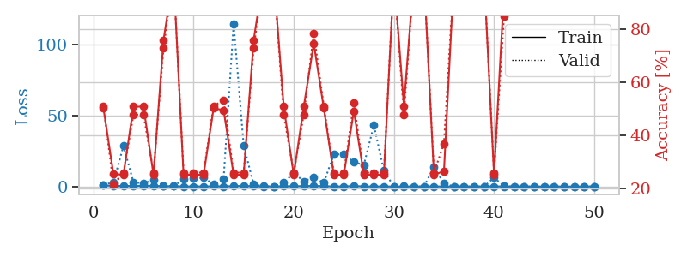
train_loss | valid_loss | train_accuracy | valid_accuracy | dur | train_misclass | valid_misclass
0.90845361741 | 174.74778018 | 0.2527173913 | 0.26086956522 | 1.1512813568 | 25.27173913 | 26.086956522
0.35225225855 | 3.6590790956 | 0.25543478261 | 0.21739130435 | 1.146415472 | 25.543478261 | 21.739130435
0.18813440819 | 255.15626327 | 0.2527173913 | 0.26086956522 | 1.1483228207 | 25.27173913 | 26.086956522
0.24111980791 | 200.07899077 | 0.2527173913 | 0.26086956522 | 1.1485731602 | 25.27173913 | 26.086956522
0.25637416234 | 128.33548604 | 0.2527173913 | 0.26086956522 | 1.148673296 | 25.27173913 | 26.086956522
0.35131224735 | 81.809862551 | 0.2527173913 | 0.26086956522 | 1.1496369839 | 25.27173913 | 26.086956522
0.44070634764 | 124.37271118 | 0.2527173913 | 0.26086956522 | 1.1495101452 | 25.27173913 | 26.086956522
0.32418977785 | 55.102979577 | 0.2527173913 | 0.26086956522 | 1.1497342587 | 25.27173913 | 26.086956522
0.16316596969 | 4.8139002012 | 0.49456521739 | 0.53260869565 | 1.1492056847 | 49.456521739 | 53.260869565
0.25479571092 | 49.897997483 | 0.2527173913 | 0.26086956522 | 1.1519622803 | 25.27173913 | 26.086956522
0.093090077639 | 1.9406298192 | 0.75815217391 | 0.72826086957 | 1.1499705315 | 75.815217391 | 72.826086957
0.11448270327 | 21.97727278 | 0.2527173913 | 0.26086956522 | 1.1499483585 | 25.27173913 | 26.086956522
0.02070890778 | 0.041121952074 | 1 | 1 | 1.1499779224 | 100 | 100
0.042271798568 | 0.0178436594 | 1 | 1 | 1.1501188278 | 100 | 100
0.013731354888 | 6.0425326513 | 0.25543478261 | 0.21739130435 | 1.1488757133 | 25.543478261 | 21.739130435
0.036472386387 | 0.0037951125642 | 1 | 1 | 1.1501581669 | 100 | 100
0.12188755408 | 0.36139404126 | 0.74456521739 | 0.78260869565 | 1.1601743698 | 74.456521739 | 78.260869565
0.050121417573 | 0.10814615015 | 1 | 1 | 1.154020071 | 100 | 100
0.17038352488 | 13.018392853 | 0.50815217391 | 0.47826086957 | 1.1543197632 | 50.815217391 | 47.826086957
0.03997702438 | 0.020832026134 | 1 | 1 | 1.1521499157 | 100 | 100
0.068247117388 | 5.6793902024 | 0.2527173913 | 0.26086956522 | 1.1495668888 | 25.27173913 | 26.086956522
0.10011904448 | 0.0032576953122 | 1 | 1 | 1.1529941559 | 100 | 100
0.095814571625 | 0.050910968172 | 1 | 1 | 1.1531226635 | 100 | 100
0.051582707044 | 0.00054111077865 | 1 | 1 | 1.1548593044 | 100 | 100
0.018710772196 | 0.0016433575251 | 1 | 1 | 1.1549229622 | 100 | 100
0.023020787838 | 0.0029691172278 | 1 | 1 | 1.154093504 | 100 | 100
0.0073536575934 | 0.0040790992991 | 1 | 1 | 1.1540689468 | 100 | 100
0.0067688147461 | 0.0011681416274 | 1 | 1 | 1.1527149677 | 100 | 100
0.015436946328 | 0.00098781289189 | 1 | 1 | 1.1523542404 | 100 | 100
0.010892487137 | 0.0041396624571 | 1 | 1 | 1.1533489227 | 100 | 100
0.0074144859846 | 0.00048985179392 | 1 | 1 | 1.1529648304 | 100 | 100
0.0027769107432 | 0.00038795091677 | 1 | 1 | 1.1498367786 | 100 | 100
0.233371321 | 0.040857745739 | 1 | 1 | 1.1500761509 | 100 | 100
0.04849020659 | 0.0049293878002 | 1 | 1 | 1.153819561 | 100 | 100
0.017110228366 | 0.0032394686106 | 1 | 1 | 1.1507136822 | 100 | 100
0.016203073162 | 0.0016570038203 | 1 | 1 | 1.1514539719 | 100 | 100
0.0083096808597 | 0.0017193526677 | 1 | 1 | 1.1529688835 | 100 | 100
0.13311308426 | 0.001755308532 | 1 | 1 | 1.1525683403 | 100 | 100
0.022716971884 | 0.0014307890897 | 1 | 1 | 1.1540911198 | 100 | 100
0.06728603333 | 26.238765551 | 0.25543478261 | 0.21739130435 | 1.1534867287 | 25.543478261 | 21.739130435
0.14366945618 | 9.1559972763 | 0.50815217391 | 0.47826086957 | 1.153288126 | 50.815217391 | 47.826086957
0.010987966058 | 0.0014416057333 | 1 | 1 | 1.1540350914 | 100 | 100
0.11545622379 | 0.0022591349527 | 1 | 1 | 1.1524236202 | 100 | 100
0.029958639805 | 0.0019183124051 | 1 | 1 | 1.1537504196 | 100 | 100
0.0080830631778 | 0.0016018568801 | 1 | 1 | 1.1522169113 | 100 | 100
0.085322676102 | 0.0013935779748 | 1 | 1 | 1.1514434814 | 100 | 100
0.019193882087 | 0.0015313595928 | 1 | 1 | 1.1512002945 | 100 | 100
0.1098255863 | 0.001315316155 | 1 | 1 | 1.1520571709 | 100 | 100
0.022659319119 | 0.0015955291709 | 1 | 1 | 1.1513571739 | 100 | 100
0.023176894139 | 0.0015182530396 | 1 | 1 | 1.1542224884 | 100 | 100

Best Val accuracy is 1.0 and Best test accuracy is 1.0
train_loss | valid_loss | train_accuracy | valid_accuracy | dur | train_misclass | valid_misclass
0.75399272209 | 1.1066065845 | 0.5027173913 | 0.51086956522 | 1.1395020485 | 50.27173913 | 51.086956522
0.43200145532 | 3.0269986858 | 0.25543478261 | 0.21739130435 | 1.1373779774 | 25.543478261 | 21.739130435
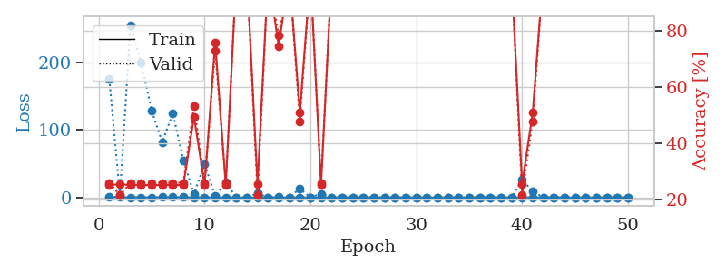
0.40422137665 | 28.491995438 | 0.2527173913 | 0.26086956522 | 1.1363620758 | 25.27173913 | 26.086956522
0.43770537882 | 2.8203359169 | 0.50815217391 | 0.47826086957 | 1.1359751225 | 50.815217391 | 47.826086957
0.49832606397 | 2.3764471282 | 0.50815217391 | 0.47826086957 | 1.1349811554 | 50.815217391 | 47.826086957
0.51495031041 | 4.4785390419 | 0.2527173913 | 0.26086956522 | 1.1356344223 | 25.27173913 | 26.086956522
0.19178342949 | 0.714105965 | 0.75815217391 | 0.72826086957 | 1.1351833344 | 75.815217391 | 72.826086957
0.15679165551 | 0.15238921765 | 1 | 1 | 1.1374161243 | 100 | 100
0.1136612614 | 5.2968375165 | 0.2527173913 | 0.26086956522 | 1.1375293732 | 25.27173913 | 26.086956522
0.065167162385 | 5.5953294713 | 0.2527173913 | 0.26086956522 | 1.136279583 | 25.27173913 | 26.086956522
0.079048292833 | 6.1694569173 | 0.2527173913 | 0.26086956522 | 1.1363422871 | 25.27173913 | 26.086956522
0.2089645781 | 1.4419609827 | 0.5027173913 | 0.51086956522 | 1.1360535622 | 50.27173913 | 51.086956522
0.09243615409 | 5.4775328429 | 0.49456521739 | 0.53260869565 | 1.1361193657 | 49.456521739 | 53.260869565
0.27886086662 | 114.47803763 | 0.2527173913 | 0.26086956522 | 1.1360831261 | 25.27173913 | 26.086956522
0.45200193204 | 28.901400359 | 0.2527173913 | 0.26086956522 | 1.137254715 | 25.27173913 | 26.086956522
0.19023413932 | 1.3984274631 | 0.75815217391 | 0.72826086957 | 1.1365740299 | 75.815217391 | 72.826086957
0.10323750768 | 0.21422551508 | 1 | 1 | 1.1390047073 | 100 | 100
0.10480486573 | 0.026471096698 | 1 | 1 | 1.1353881359 | 100 | 100
0.16039109076 | 2.6328485116 | 0.50815217391 | 0.47826086957 | 1.1375408173 | 50.815217391 | 47.826086957
0.2255718759 | 9.4727412307 | 0.2527173913 | 0.26086956522 | 1.1357924938 | 25.27173913 | 26.086956522
0.29893138986 | 3.7322057537 | 0.50815217391 | 0.47826086957 | 1.1359703541 | 50.815217391 | 47.826086957
0.4396690802 | 6.365577138 | 0.74456521739 | 0.78260869565 | 1.136172533 | 74.456521739 | 78.260869565
0.2404375742 | 2.6791041882 | 0.5027173913 | 0.51086956522 | 1.1372952461 | 50.27173913 | 51.086956522
0.07913261162 | 22.418214632 | 0.2527173913 | 0.26086956522 | 1.1372942924 | 25.27173913 | 26.086956522
0.078100351536 | 22.770797149 | 0.2527173913 | 0.26086956522 | 1.1386899948 | 25.27173913 | 26.086956522
0.39661040835 | 17.039274962 | 0.49184782609 | 0.52173913043 | 1.1402723789 | 49.184782609 | 52.173913043
0.094219680633 | 15.14919733 | 0.2527173913 | 0.26086956522 | 1.1406605244 | 25.27173913 | 26.086956522
0.074192650758 | 43.001754927 | 0.2527173913 | 0.26086956522 | 1.1406061649 | 25.27173913 | 26.086956522
0.048961765001 | 11.018995492 | 0.2527173913 | 0.26086956522 | 1.1413862705 | 25.27173913 | 26.086956522
0.018144246474 | 0.0071298429216 | 1 | 1 | 1.1413886547 | 100 | 100
0.05322601301 | 0.54929023074 | 0.51086956522 | 0.47826086957 | 1.140604496 | 51.086956522 | 47.826086957
0.02721313953 | 0.0052572659865 | 1 | 1 | 1.1407935619 | 100 | 100
0.021813109325 | 0.0095908410199 | 1 | 1 | 1.1423592567 | 100 | 100
0.09819653607 | 13.681211886 | 0.2527173913 | 0.26086956522 | 1.1422708035 | 25.27173913 | 26.086956522
0.036159318609 | 2.0998614197 | 0.26630434783 | 0.36956521739 | 1.1416270733 | 26.630434783 | 36.956521739
0.011741523783 | 0.0036589082371 | 1 | 1 | 1.1423201561 | 100 | 100
0.023633642745 | 0.022534309198 | 1 | 1 | 1.1415941715 | 100 | 100
0.017176718304 | 0.0090361903624 | 1 | 1 | 1.1426961422 | 100 | 100
0.11048101569 | 0.0040275293362 | 1 | 1 | 1.1409430504 | 100 | 100
0.12529406061 | 6.2431935435 | 0.2527173913 | 0.26086956522 | 1.1423106194 | 25.27173913 | 26.086956522
0.038298675963 | 0.21783382996 | 0.94293478261 | 0.84782608696 | 1.1430015564 | 94.293478261 | 84.782608696
0.018846354731 | 0.0028863760501 | 1 | 1 | 1.141854763 | 100 | 100
0.0095475591294 | 0.0021957469821 | 1 | 1 | 1.1417322159 | 100 | 100
0.0098966109496 | 0.0021836929347 | 1 | 1 | 1.1420493126 | 100 | 100
0.0066786765921 | 0.0018364661525 | 1 | 1 | 1.1415987015 | 100 | 100
0.044144667837 | 0.0024628702895 | 1 | 1 | 1.1424601078 | 100 | 100
0.018108068631 | 0.0016957992111 | 1 | 1 | 1.1421585083 | 100 | 100
0.0058539764217 | 0.0019465124781 | 1 | 1 | 1.1418135166 | 100 | 100
0.12661734758 | 0.0021239280822 | 1 | 1 | 1.1421842575 | 100 | 100
0.048597998229 | 0.0017525319709 | 1 | 1 | 1.1418337822 | 100 | 100

Best Val accuracy is 1.0 and Best test accuracy is 1.0

Sheet3
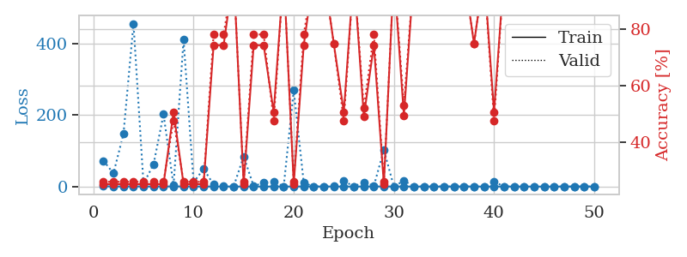
train_loss | valid_loss | train_accuracy | valid_accuracy | dur | train_misclass | valid_misclass
0.84169422025 | 104.26443714 | 0.2527173913 | 0.26086956522 | 1.1565089226 | 25.27173913 | 26.086956522
0.45831017196 | 294.03266044 | 0.2527173913 | 0.26086956522 | 1.1492595673 | 25.27173913 | 26.086956522
0.18035847726 | 1.7118605479 | 0.2527173913 | 0.26086956522 | 1.150592804 | 25.27173913 | 26.086956522
0.27377300078 | 0.32505976765 | 0.75 | 0.75 | 1.1508152485 | 75 | 75
0.31314550964 | 5.8514141207 | 0.2527173913 | 0.26086956522 | 1.1496529579 | 25.27173913 | 26.086956522
0.23225357554 | 114.97728331 | 0.2527173913 | 0.26086956522 | 1.1563692093 | 25.27173913 | 26.086956522
0.42888648079 | 198.11542013 | 0.2527173913 | 0.26086956522 | 1.151437521 | 25.27173913 | 26.086956522
0.15568193631 | 5.9225774848 | 0.74456521739 | 0.78260869565 | 1.1510670185 | 74.456521739 | 78.260869565
0.082395895951 | 0.013472500946 | 1 | 1 | 1.1537985802 | 100 | 100
0.075818842095 | 0.070932747391 | 1 | 1 | 1.152484417 | 100 | 100
0.040591681872 | 0.01403276019 | 1 | 1 | 1.1523430347 | 100 | 100
0.10285659256 | 4.6101000931 | 0.74456521739 | 0.78260869565 | 1.1501502991 | 74.456521739 | 78.260869565
0.33268786647 | 2.4667066025 | 0.75815217391 | 0.72826086957 | 1.1508731842 | 75.815217391 | 72.826086957
0.30582833833 | 1.5889904758 | 0.75815217391 | 0.72826086957 | 1.1516721249 | 75.815217391 | 72.826086957
0.3165986362 | 0.23350072684 | 1 | 1 | 1.1521363258 | 100 | 100
0.16730564146 | 5.8436222284 | 0.50815217391 | 0.47826086957 | 1.1536068916 | 50.815217391 | 47.826086957
0.48794048462 | 2.5747035742 | 0.75815217391 | 0.72826086957 | 1.1523573399 | 75.815217391 | 72.826086957
0.071606540101 | 0.020264558818 | 1 | 1 | 1.1511538029 | 100 | 100
0.033908212274 | 3.6633568225 | 0.74456521739 | 0.78260869565 | 1.1511566639 | 74.456521739 | 78.260869565
0.11160137433 | 0.077795730661 | 1 | 1 | 1.1525607109 | 100 | 100
0.10916461314 | 0.14268915193 | 1 | 1 | 1.1526815891 | 100 | 100
0.10211470289 | 0.0026357967467 | 1 | 1 | 1.1542880535 | 100 | 100
0.093266096528 | 0.014238917633 | 1 | 1 | 1.1520936489 | 100 | 100
0.044232997487 | 0.0036100314566 | 1 | 1 | 1.1528151035 | 100 | 100
0.072526844907 | 0.018404716059 | 1 | 1 | 1.1546664238 | 100 | 100
0.01654100575 | 0.0037404669894 | 1 | 1 | 1.152736187 | 100 | 100
0.064775713671 | 121.65300751 | 0.2527173913 | 0.26086956522 | 1.1521122456 | 25.27173913 | 26.086956522
0.0065038717888 | 0.0010893477441 | 1 | 1 | 1.1541895866 | 100 | 100
0.021166807365 | 0.0019314908777 | 1 | 1 | 1.1527318954 | 100 | 100
0.0095330879102 | 0.0046439056447 | 1 | 1 | 1.1518366337 | 100 | 100
0.13951632534 | 0.71484520384 | 0.74456521739 | 0.78260869565 | 1.1517877579 | 74.456521739 | 78.260869565
0.26506085398 | 3.3539186664 | 0.74456521739 | 0.78260869565 | 1.1522727013 | 74.456521739 | 78.260869565
0.20506259892 | 0.82575559616 | 0.74456521739 | 0.78260869565 | 1.1532416344 | 74.456521739 | 78.260869565
0.025978745437 | 0.0014702635817 | 1 | 1 | 1.1518888474 | 100 | 100
0.035514544012 | 0.0021937848879 | 1 | 1 | 1.1525871754 | 100 | 100
0.029393302403 | 0.0019863718189 | 1 | 1 | 1.1531701088 | 100 | 100
0.019024544383 | 0.00091790842429 | 1 | 1 | 1.1526670456 | 100 | 100
0.0047881812966 | 0.00084574819472 | 1 | 1 | 1.1531352997 | 100 | 100
0.0034524136041 | 0.00080932591758 | 1 | 1 | 1.1549992561 | 100 | 100
0.010345212098 | 0.00087310680006 | 1 | 1 | 1.1564164162 | 100 | 100
0.060836480007 | 0.00079265129803 | 1 | 1 | 1.1533355713 | 100 | 100
0.0089928273506 | 0.00076329310263 | 1 | 1 | 1.1545352936 | 100 | 100
0.0051477325564 | 0.00094394832242 | 1 | 1 | 1.1532101631 | 100 | 100
0.053756786979 | 0.00069747843689 | 1 | 1 | 1.1534276009 | 100 | 100
0.0065599782721 | 0.00082733427711 | 1 | 1 | 1.1549723148 | 100 | 100
0.020125255208 | 0.0010431767087 | 1 | 1 | 1.1533880234 | 100 | 100
0.0020642198354 | 0.00088637865796 | 1 | 1 | 1.1553025246 | 100 | 100
0.0052035882153 | 0.00080788578666 | 1 | 1 | 1.1531829834 | 100 | 100
0.013921300883 | 0.00085044160748 | 1 | 1 | 1.1532306671 | 100 | 100
0.012873530393 | 0.00087456207257 | 1 | 1 | 1.1544146538 | 100 | 100

Best Val accuracy is 1.0 and Best test accuracy is 1.0
train_loss | valid_loss | train_accuracy | valid_accuracy | dur | train_misclass | valid_misclass
0.89635171838 | 72.451022604 | 0.2527173913 | 0.26086956522 | 1.1457331181 | 25.27173913 | 26.086956522
0.31141746854 | 36.969559048 | 0.2527173913 | 0.26086956522 | 1.1375105381 | 25.27173913 | 26.086956522
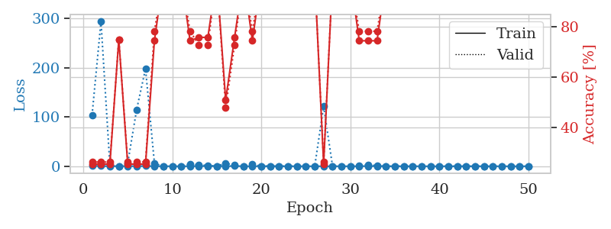
0.24758279064 | 147.29727438 | 0.2527173913 | 0.26086956522 | 1.1368734837 | 25.27173913 | 26.086956522
0.48654842555 | 456.88601419 | 0.2527173913 | 0.26086956522 | 1.1368439198 | 25.27173913 | 26.086956522
0.21353137056 | 7.8410321733 | 0.2527173913 | 0.26086956522 | 1.1363534927 | 25.27173913 | 26.086956522
0.17810940346 | 61.801321278 | 0.2527173913 | 0.26086956522 | 1.1378176212 | 25.27173913 | 26.086956522
0.3628171177 | 202.51327647 | 0.2527173913 | 0.26086956522 | 1.1360988617 | 25.27173913 | 26.086956522
0.17552612835 | 3.2839707395 | 0.50815217391 | 0.47826086957 | 1.1365160942 | 50.815217391 | 47.826086957
0.42015559489 | 412.1321106 | 0.2527173913 | 0.26086956522 | 1.136756897 | 25.27173913 | 26.086956522
0.20294514817 | 11.83983214 | 0.2527173913 | 0.26086956522 | 1.1349637508 | 25.27173913 | 26.086956522
0.10234713421 | 49.302608988 | 0.2527173913 | 0.26086956522 | 1.1381177902 | 25.27173913 | 26.086956522
0.12829312984 | 5.6575524911 | 0.74456521739 | 0.78260869565 | 1.138017416 | 74.456521739 | 78.260869565
0.14910846503 | 1.6332371546 | 0.74456521739 | 0.78260869565 | 1.1362855434 | 74.456521739 | 78.260869565
0.027138548944 | 0.044392246915 | 1 | 1 | 1.134929657 | 100 | 100
0.15243861173 | 84.569696178 | 0.2527173913 | 0.26086956522 | 1.1374850273 | 25.27173913 | 26.086956522
0.043170321115 | 0.75084125218 | 0.74456521739 | 0.78260869565 | 1.1345615387 | 74.456521739 | 78.260869565
0.034194547532 | 11.216449655 | 0.74456521739 | 0.78260869565 | 1.1385142803 | 74.456521739 | 78.260869565
0.069815182309 | 13.956292028 | 0.50815217391 | 0.47826086957 | 1.1386322975 | 50.815217391 | 47.826086957
0.051865236221 | 0.12638081157 | 1 | 1 | 1.1387343407 | 100 | 100
0.11209708898 | 269.82518602 | 0.2527173913 | 0.26086956522 | 1.1399099827 | 25.27173913 | 26.086956522
0.26114132449 | 10.458197511 | 0.74456521739 | 0.78260869565 | 1.1403284073 | 74.456521739 | 78.260869565
0.089662552209 | 0.010698085732 | 1 | 1 | 1.1393706799 | 100 | 100
0.069084107484 | 0.060558267424 | 1 | 1 | 1.1397294998 | 100 | 100
0.023414936117 | 1.7371128331 | 0.75 | 0.75 | 1.1389760971 | 75 | 75
0.040340030455 | 16.101300862 | 0.50815217391 | 0.47826086957 | 1.141408205 | 50.815217391 | 47.826086957
0.046753645973 | 0.0037057410885 | 1 | 1 | 1.1415612698 | 100 | 100
0.13222996969 | 12.413754878 | 0.49184782609 | 0.52173913043 | 1.1407938004 | 49.184782609 | 52.173913043
0.03932664452 | 1.5862721412 | 0.74456521739 | 0.78260869565 | 1.1409213543 | 74.456521739 | 78.260869565
0.30790468825 | 102.49799612 | 0.2527173913 | 0.26086956522 | 1.1409814358 | 25.27173913 | 26.086956522
0.12017691622 | 0.011657517687 | 1 | 1 | 1.1409156322 | 100 | 100
0.13545121506 | 16.52337858 | 0.49456521739 | 0.53260869565 | 1.1409516335 | 49.456521739 | 53.260869565
0.021429054029 | 0.004044450698 | 1 | 1 | 1.1405649185 | 100 | 100
0.021362868725 | 0.090796282758 | 1 | 1 | 1.1404902935 | 100 | 100
0.018105328407 | 0.0039179136815 | 1 | 1 | 1.1407873631 | 100 | 100
0.0057337947402 | 0.00062059391665 | 1 | 1 | 1.1409549713 | 100 | 100
0.025284447262 | 0.017761770069 | 1 | 1 | 1.1405494213 | 100 | 100
0.0052542269063 | 0.0009446531767 | 1 | 1 | 1.1413834095 | 100 | 100
0.13548656584 | 0.27048596092 | 0.75 | 0.75 | 1.1415600777 | 75 | 75
0.0045460918501 | 0.0010780702527 | 1 | 1 | 1.1413223743 | 100 | 100
0.082474342702 | 14.060694985 | 0.50815217391 | 0.47826086957 | 1.1416022778 | 50.815217391 | 47.826086957
0.013614118578 | 0.00077333872247 | 1 | 1 | 1.1424341202 | 100 | 100
0.087430156518 | 0.0035616787373 | 1 | 1 | 1.1418831348 | 100 | 100
0.040732135963 | 0.027774524106 | 1 | 1 | 1.1421141624 | 100 | 100
0.018312341491 | 0.00093496108995 | 1 | 1 | 1.1416354179 | 100 | 100
0.0046778792229 | 0.000740409029 | 1 | 1 | 1.1419649124 | 100 | 100
0.009528173998 | 0.00060897504749 | 1 | 1 | 1.142100811 | 100 | 100
0.037312431385 | 0.0011621893323 | 1 | 1 | 1.1423242092 | 100 | 100
0.0076749931031 | 0.00065149970191 | 1 | 1 | 1.142005682 | 100 | 100
0.033711968652 | 0.0006850770619 | 1 | 1 | 1.1428604126 | 100 | 100
0.015485226736 | 0.00059408202524 | 1 | 1 | 1.1429300308 | 100 | 100

Best Val accuracy is 1.0 and Best test accuracy is 1.0

Sheet4
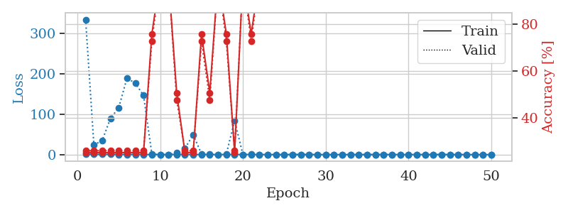
train_loss | valid_loss | train_accuracy | valid_accuracy | dur | train_misclass | valid_misclass
0.93719366063 | 22.958126483 | 0.2527173913 | 0.26086956522 | 1.1557145119 | 25.27173913 | 26.086956522
0.37103870479 | 3.2742807243 | 0.50815217391 | 0.47826086957 | 1.1458084583 | 50.815217391 | 47.826086957
0.13603956374 | 75.549828239 | 0.2527173913 | 0.26086956522 | 1.1494927406 | 25.27173913 | 26.086956522
0.24294426624 | 89.593942725 | 0.2527173913 | 0.26086956522 | 1.1504678726 | 25.27173913 | 26.086956522
0.12056814934 | 2.1241514838 | 0.5027173913 | 0.51086956522 | 1.1511461735 | 50.27173913 | 51.086956522
0.12864160215 | 7.2230499724 | 0.2527173913 | 0.26086956522 | 1.1487224102 | 25.27173913 | 26.086956522
0.092089653126 | 131.77329884 | 0.2527173913 | 0.26086956522 | 1.1513044834 | 25.27173913 | 26.086956522
0.26704688091 | 191.86728502 | 0.2527173913 | 0.26086956522 | 1.149636507 | 25.27173913 | 26.086956522
0.16148421782 | 2.619404741 | 0.74456521739 | 0.78260869565 | 1.1503400803 | 74.456521739 | 78.260869565
0.13383087575 | 1.9737741999 | 0.5027173913 | 0.51086956522 | 1.1511182785 | 50.27173913 | 51.086956522
0.12411731366 | 7.6793007851 | 0.5027173913 | 0.51086956522 | 1.1486048698 | 50.27173913 | 51.086956522
0.01795076762 | 0.00034330434257 | 1 | 1 | 1.1496305466 | 100 | 100
0.0039498458734 | 0.00082263432231 | 1 | 1 | 1.1494514942 | 100 | 100
0.21485104086 | 13.726169296 | 0.5027173913 | 0.51086956522 | 1.1488387585 | 50.27173913 | 51.086956522
0.1217718542 | 22.296229155 | 0.25 | 0.25 | 1.1490840912 | 25 | 25
0.27016238092 | 518.61708533 | 0.2527173913 | 0.26086956522 | 1.1507601738 | 25.27173913 | 26.086956522
0.43269280444 | 7.2521682408 | 0.25 | 0.25 | 1.1499476433 | 25 | 25
0.11600755657 | 0.17256792278 | 1 | 1 | 1.1494038105 | 100 | 100
0.068003456027 | 0.0062112400875 | 1 | 1 | 1.1486642361 | 100 | 100
0.015695380017 | 0.0030295804406 | 1 | 1 | 1.1503629684 | 100 | 100
0.022447116086 | 0.0033661265473 | 1 | 1 | 1.1503698826 | 100 | 100
0.050001725063 | 0.0023452257687 | 1 | 1 | 1.1498830318 | 100 | 100
0.024966819268 | 30.921204277 | 0.2527173913 | 0.26086956522 | 1.1516749859 | 25.27173913 | 26.086956522
0.0054022933675 | 0.0005760308021 | 1 | 1 | 1.1499321461 | 100 | 100
0.0068404509284 | 0.00053336496627 | 1 | 1 | 1.1499722004 | 100 | 100
0.008528759431 | 0.00064926585258 | 1 | 1 | 1.1507623196 | 100 | 100
0.023178382177 | 0.0006766559255 | 1 | 1 | 1.1514115334 | 100 | 100
0.01541798846 | 0.000656853144 | 1 | 1 | 1.1506388187 | 100 | 100
0.039568188739 | 0.00080766248436 | 1 | 1 | 1.1514294147 | 100 | 100
0.072757878569 | 0.0017578807589 | 1 | 1 | 1.1513836384 | 100 | 100
0.097052895019 | 14.944467088 | 0.2527173913 | 0.25 | 1.1529910564 | 25.27173913 | 25
0.097602158247 | 1.8163633191 | 0.74456521739 | 0.78260869565 | 1.1516318321 | 74.456521739 | 78.260869565
0.049507556402 | 0.0010567119563 | 1 | 1 | 1.1520264149 | 100 | 100
0.11984473515 | 0.0032309585595 | 1 | 1 | 1.1511178017 | 100 | 100
0.030743171627 | 0.00060778742773 | 1 | 1 | 1.1518030167 | 100 | 100
0.035004267732 | 0.00054374511819 | 1 | 1 | 1.1512379646 | 100 | 100
0.0065693734821 | 0.0004267580339 | 1 | 1 | 1.152743578 | 100 | 100
0.0019807759951 | 0.00031511437112 | 1 | 1 | 1.153280735 | 100 | 100
0.0022788570818 | 0.00032192303004 | 1 | 1 | 1.1519794464 | 100 | 100
0.0022757254938 | 0.00041166397252 | 1 | 1 | 1.1527905464 | 100 | 100
0.010066348741 | 0.00036593677309 | 1 | 1 | 1.153283596 | 100 | 100
0.022431829143 | 0.00033066247124 | 1 | 1 | 1.1522357464 | 100 | 100
0.0071328309613 | 0.00031102802503 | 1 | 1 | 1.1534929276 | 100 | 100
0.015855355698 | 0.00032067540198 | 1 | 1 | 1.1535212994 | 100 | 100
0.005922476632 | 0.00026516807987 | 1 | 1 | 1.1535329819 | 100 | 100
0.065904638958 | 0.00025621126659 | 1 | 1 | 1.1513745785 | 100 | 100
0.075013840903 | 0.00028371099514 | 1 | 1 | 1.1521332264 | 100 | 100
0.10870525321 | 0.00025779723617 | 1 | 1 | 1.1510927677 | 100 | 100
0.0014943355516 | 0.00024853970947 | 1 | 1 | 1.1526463032 | 100 | 100
0.0023878065011 | 0.00027145001703 | 1 | 1 | 1.1530890465 | 100 | 100

Best Val accuracy is 1.0 and Best test accuracy is 1.0
train_loss | valid_loss | train_accuracy | valid_accuracy | dur | train_misclass | valid_misclass
1.0772642519 | 334.05152959 | 0.2527173913 | 0.26086956522 | 1.1401531696 | 25.27173913 | 26.086956522
0.47983166446 | 23.997444236 | 0.2527173913 | 0.26086956522 | 1.1375999451 | 25.27173913 | 26.086956522
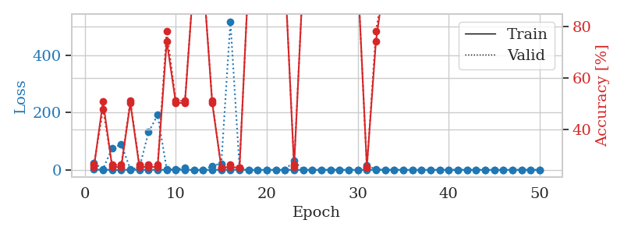
0.4653091476 | 34.63844772 | 0.2527173913 | 0.26086956522 | 1.1357865334 | 25.27173913 | 26.086956522
0.55006993141 | 89.510777681 | 0.2527173913 | 0.26086956522 | 1.136482954 | 25.27173913 | 26.086956522
0.27949214435 | 115.8746036 | 0.2527173913 | 0.26086956522 | 1.1390247345 | 25.27173913 | 26.086956522
0.28481743404 | 189.36745818 | 0.2527173913 | 0.26086956522 | 1.1410264969 | 25.27173913 | 26.086956522
0.32527447937 | 176.47040923 | 0.2527173913 | 0.26086956522 | 1.1398983002 | 25.27173913 | 26.086956522
0.23055548278 | 146.35655212 | 0.2527173913 | 0.26086956522 | 1.1398973465 | 25.27173913 | 26.086956522
0.1121439456 | 1.4878001058 | 0.75815217391 | 0.72826086957 | 1.1397695541 | 75.815217391 | 72.826086957
0.051462401535 | 0.043647458534 | 1 | 1 | 1.1413447857 | 100 | 100
0.16363397581 | 0.19622417831 | 1 | 1 | 1.1407258511 | 100 | 100
0.22313643769 | 4.6465176292 | 0.50815217391 | 0.47826086957 | 1.1425306797 | 50.815217391 | 47.826086957
0.26755890766 | 15.625236138 | 0.2527173913 | 0.26086956522 | 1.1439313889 | 25.27173913 | 26.086956522
0.19300708171 | 49.408454563 | 0.2527173913 | 0.26086956522 | 1.1424620152 | 25.27173913 | 26.086956522
0.088457218179 | 1.4448759867 | 0.75815217391 | 0.72826086957 | 1.1432318687 | 75.815217391 | 72.826086957
0.20314282318 | 1.1788594515 | 0.50815217391 | 0.47826086957 | 1.1442582607 | 50.815217391 | 47.826086957
0.12252348127 | 0.053923730131 | 1 | 1 | 1.1435530186 | 100 | 100
0.33712676921 | 1.7515236865 | 0.75815217391 | 0.72826086957 | 1.1431531906 | 75.815217391 | 72.826086957
0.18346900842 | 84.031428793 | 0.2527173913 | 0.26086956522 | 1.1439404488 | 25.27173913 | 26.086956522
0.35711380119 | 0.042432694817 | 1 | 1 | 1.1428673267 | 100 | 100
0.22758561962 | 0.42757600675 | 0.75815217391 | 0.72826086957 | 1.1485874653 | 75.815217391 | 72.826086957
0.23436648336 | 0.0097001965117 | 1 | 1 | 1.1481873989 | 100 | 100
0.094933326194 | 0.055841842261 | 1 | 1 | 1.1499364376 | 100 | 100
0.090209510603 | 0.0036450767302 | 1 | 1 | 1.1493446827 | 100 | 100
0.041738205438 | 0.0053257411143 | 1 | 1 | 1.1491005421 | 100 | 100
0.18027539859 | 0.016873736177 | 1 | 1 | 1.1494033337 | 100 | 100
0.21683249121 | 0.059551180219 | 1 | 1 | 1.1488695145 | 100 | 100
0.19603039741 | 0.017417803488 | 1 | 1 | 1.1509068012 | 100 | 100
0.059601481407 | 0.010510029312 | 1 | 1 | 1.1502804756 | 100 | 100
0.037759159459 | 0.0038310853238 | 1 | 1 | 1.14351511 | 100 | 100
0.066430412719 | 0.002599678063 | 1 | 1 | 1.1446139812 | 100 | 100
0.054151017472 | 0.0040653989974 | 1 | 1 | 1.1450269222 | 100 | 100
0.03234763653 | 0.0076909426438 | 1 | 1 | 1.1462235451 | 100 | 100
0.013182438728 | 0.0023388355748 | 1 | 1 | 1.1454474926 | 100 | 100
0.041660627391 | 0.0034156814319 | 1 | 1 | 1.1454007626 | 100 | 100
0.013182253744 | 0.0016166258644 | 1 | 1 | 1.1448104382 | 100 | 100
0.066913751784 | 0.0034620166432 | 1 | 1 | 1.1463594437 | 100 | 100
0.18055944038 | 0.0018234697586 | 1 | 1 | 1.1439726353 | 100 | 100
0.050704993591 | 0.0017203687862 | 1 | 1 | 1.1447062492 | 100 | 100
0.14095352794 | 0.0079465968048 | 1 | 1 | 1.1446199417 | 100 | 100
0.19757258504 | 0.0041700413491 | 1 | 1 | 1.1455042362 | 100 | 100
0.019883357317 | 0.0019336553726 | 1 | 1 | 1.1457564831 | 100 | 100
0.25478937554 | 0.013817627793 | 1 | 1 | 1.1459946632 | 100 | 100
0.075965133901 | 0.0012562158315 | 1 | 1 | 1.1453089714 | 100 | 100
0.075357471567 | 0.0017064458124 | 1 | 1 | 1.1456739902 | 100 | 100
0.023298061463 | 0.0015502825288 | 1 | 1 | 1.146317482 | 100 | 100
0.010099074813 | 0.0020412945533 | 1 | 1 | 1.1462435722 | 100 | 100
0.051243257911 | 0.0021623651112 | 1 | 1 | 1.1453807354 | 100 | 100
0.0147497846 | 0.0016026371412 | 1 | 1 | 1.1453428268 | 100 | 100
0.019997527565 | 0.0018340500487 | 1 | 1 | 1.1458528042 | 100 | 100

Best Val accuracy is 1.0 and Best test accuracy is 1.0

Sheet5
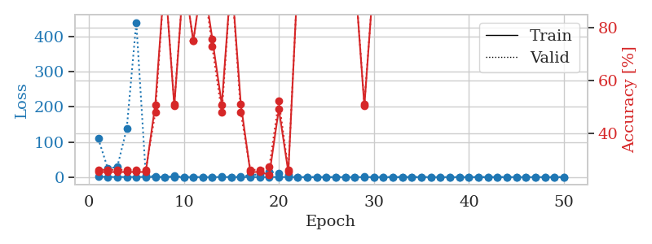
train_loss | valid_loss | train_accuracy | valid_accuracy | dur | train_misclass | valid_misclass
1.0223706365 | 28.523364191 | 0.2527173913 | 0.26086956522 | 1.1511442661 | 25.27173913 | 26.086956522
0.53197444263 | 3.0472370334 | 0.25543478261 | 0.21739130435 | 1.1482424736 | 25.543478261 | 21.739130435
0.28634049031 | 2.79839553 | 0.25543478261 | 0.21739130435 | 1.1512916088 | 25.543478261 | 21.739130435
0.17173333013 | 98.106804889 | 0.2527173913 | 0.26086956522 | 1.1515963078 | 25.27173913 | 26.086956522
0.22603252473 | 11.055694953 | 0.2527173913 | 0.26086956522 | 1.151787281 | 25.27173913 | 26.086956522
0.30335816506 | 7.420508364 | 0.2527173913 | 0.26086956522 | 1.1506953239 | 25.27173913 | 26.086956522
0.17932669426 | 4.1747235319 | 0.50815217391 | 0.47826086957 | 1.1533927917 | 50.815217391 | 47.826086957
0.23794254863 | 3.8136472806 | 0.5027173913 | 0.51086956522 | 1.1508305073 | 50.27173913 | 51.086956522
0.10254469522 | 1.8293928789 | 0.75815217391 | 0.72826086957 | 1.15107584 | 75.815217391 | 72.826086957
0.048346859504 | 0.90597380503 | 0.50815217391 | 0.47826086957 | 1.1505284309 | 50.815217391 | 47.826086957
0.6267599032 | 30.296224843 | 0.2527173913 | 0.26086956522 | 1.1508574486 | 25.27173913 | 26.086956522
0.2795953061 | 6.3219319426 | 0.74456521739 | 0.78260869565 | 1.1520292759 | 74.456521739 | 78.260869565
0.17370146902 | 1.1344091037 | 0.75815217391 | 0.72826086957 | 1.1463053226 | 75.815217391 | 72.826086957
0.19030999364 | 3.9874078191 | 0.50815217391 | 0.47826086957 | 1.1512722969 | 50.815217391 | 47.826086957
0.10619855713 | 0.034452154989 | 1 | 1 | 1.1531460285 | 100 | 100
0.06605776948 | 0.029984081245 | 1 | 1 | 1.1470518112 | 100 | 100
0.15348939612 | 2.8740855611 | 0.2527173913 | 0.26086956522 | 1.1505553722 | 25.27173913 | 26.086956522
0.39298695996 | 2.026297533 | 0.74456521739 | 0.78260869565 | 1.1510131359 | 74.456521739 | 78.260869565
0.17817017404 | 2.1897016556 | 0.2527173913 | 0.26086956522 | 1.1522977352 | 25.27173913 | 26.086956522
0.14835845778 | 1.216308998 | 0.50815217391 | 0.47826086957 | 1.1511781216 | 50.815217391 | 47.826086957
0.069011528106 | 3.3017140368 | 0.2527173913 | 0.26086956522 | 1.1523098946 | 25.27173913 | 26.086956522
0.11558999269 | 1.3528340122 | 0.2527173913 | 0.26086956522 | 1.152176857 | 25.27173913 | 26.086956522
0.11957080854 | 4.1709160908 | 0.5027173913 | 0.51086956522 | 1.1515238285 | 50.27173913 | 51.086956522
0.1838691796 | 14.025379388 | 0.2527173913 | 0.26086956522 | 1.1514723301 | 25.27173913 | 26.086956522
0.18487499259 | 6.5015502598 | 0.74456521739 | 0.78260869565 | 1.1521251202 | 74.456521739 | 78.260869565
0.081093518408 | 5.2152694619 | 0.2527173913 | 0.26086956522 | 1.1523556709 | 25.27173913 | 26.086956522
0.23253318066 | 12.595776765 | 0.74456521739 | 0.78260869565 | 1.1530058384 | 74.456521739 | 78.260869565
0.07405460145 | 6.2502955976 | 0.2527173913 | 0.26086956522 | 1.1512012482 | 25.27173913 | 26.086956522
0.049456369891 | 3.1173691024 | 0.2527173913 | 0.26086956522 | 1.1504356861 | 25.27173913 | 26.086956522
0.025880518835 | 4.9187505453 | 0.2527173913 | 0.26086956522 | 1.1501073837 | 25.27173913 | 26.086956522
0.1076906641 | 11.222254173 | 0.2527173913 | 0.26086956522 | 1.1503145695 | 25.27173913 | 26.086956522
0.11976174293 | 17.916772428 | 0.2527173913 | 0.26086956522 | 1.1511487961 | 25.27173913 | 26.086956522
0.14314226362 | 24.428173231 | 0.2527173913 | 0.26086956522 | 1.1538889408 | 25.27173913 | 26.086956522
0.061777746123 | 29.948925516 | 0.2527173913 | 0.26086956522 | 1.1501193047 | 25.27173913 | 26.086956522
0.0072505861703 | 0.045004181483 | 1 | 1 | 1.1511061192 | 100 | 100
0.031817449652 | 0.063041300229 | 1 | 1 | 1.1508398056 | 100 | 100
0.03913199115 | 0.0056232499647 | 1 | 1 | 1.1512658596 | 100 | 100
0.012175980247 | 0.0030395838877 | 1 | 1 | 1.1563665867 | 100 | 100
0.076150258806 | 0.037982543525 | 1 | 1 | 1.1516690254 | 100 | 100
0.026688019087 | 0.0029331266111 | 1 | 1 | 1.1547236443 | 100 | 100
0.033110121316 | 0.0025056029731 | 1 | 1 | 1.1545011997 | 100 | 100
0.0082311197741 | 0.0022768367224 | 1 | 1 | 1.1535708904 | 100 | 100
0.075004216091 | 0.0062801306257 | 1 | 1 | 1.1532762051 | 100 | 100
0.013281932546 | 0.0021312512437 | 1 | 1 | 1.15371418 | 100 | 100
0.044866619368 | 0.0018650488928 | 1 | 1 | 1.1540489197 | 100 | 100
0.02179517931 | 0.0023227579811 | 1 | 1 | 1.1526925564 | 100 | 100
0.037552400371 | 0.0024796864726 | 1 | 1 | 1.1521663666 | 100 | 100
0.015857915181 | 0.0027446962043 | 1 | 1 | 1.1539952755 | 100 | 100
0.0061334443086 | 0.0021943380429 | 1 | 1 | 1.1554956436 | 100 | 100
0.043718137647 | 0.003297275489 | 1 | 1 | 1.1536483765 | 100 | 100

Best Val accuracy is 1.0 and Best test accuracy is 1.0
train_loss | valid_loss | train_accuracy | valid_accuracy | dur | train_misclass | valid_misclass
1.2069507293 | 109.54706872 | 0.2527173913 | 0.26086956522 | 1.1535100937 | 25.27173913 | 26.086956522
0.52989952331 | 24.938336165 | 0.2527173913 | 0.26086956522 | 1.1439385414 | 25.27173913 | 26.086956522
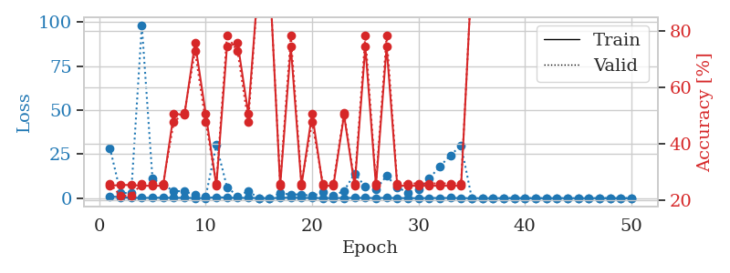
0.15383337908 | 28.777990922 | 0.2527173913 | 0.26086956522 | 1.1407773495 | 25.27173913 | 26.086956522
0.37002240381 | 138.90324402 | 0.2527173913 | 0.26086956522 | 1.1408367157 | 25.27173913 | 26.086956522
0.28781593389 | 440.57678753 | 0.2527173913 | 0.26086956522 | 1.1441869736 | 25.27173913 | 26.086956522
0.44354364916 | 5.1832676037 | 0.2527173913 | 0.26086956522 | 1.1440410614 | 25.27173913 | 26.086956522
0.21197531324 | 1.4921692299 | 0.50815217391 | 0.47826086957 | 1.143891573 | 50.815217391 | 47.826086957
0.20752588143 | 0.017503722368 | 1 | 1 | 1.1442337036 | 100 | 100
0.30296227124 | 3.4950095882 | 0.5027173913 | 0.51086956522 | 1.1449956894 | 50.27173913 | 51.086956522
0.1130037971 | 0.093361420476 | 1 | 1 | 1.1438400745 | 100 | 100
0.15324560994 | 0.38632132048 | 0.75 | 0.75 | 1.1461617947 | 75 | 75
0.040555709366 | 0.045446143364 | 1 | 1 | 1.1466317177 | 100 | 100
0.097614870984 | 0.37303907327 | 0.75815217391 | 0.72826086957 | 1.1451950073 | 75.815217391 | 72.826086957
0.28865052889 | 1.2505419177 | 0.50815217391 | 0.47826086957 | 1.1452076435 | 50.815217391 | 47.826086957
0.08192010153 | 0.025297929654 | 1 | 1 | 1.1470701694 | 100 | 100
0.13333002039 | 0.94815529429 | 0.51086956522 | 0.47826086957 | 1.1459083557 | 51.086956522 | 47.826086957
0.13140571401 | 6.0826863621 | 0.2527173913 | 0.26086956522 | 1.1453335285 | 25.27173913 | 26.086956522
0.20509354454 | 7.6451235232 | 0.2527173913 | 0.26086956522 | 1.1457335949 | 25.27173913 | 26.086956522
0.080348313897 | 15.931422399 | 0.24184782609 | 0.27173913043 | 1.1473989487 | 24.184782609 | 27.173913043
0.32216610695 | 10.425423664 | 0.49184782609 | 0.52173913043 | 1.1452815533 | 49.184782609 | 52.173913043
0.10254421555 | 5.3750315956 | 0.2527173913 | 0.26086956522 | 1.1452839375 | 25.27173913 | 26.086956522
0.049172315706 | 0.029657293435 | 1 | 1 | 1.1460578442 | 100 | 100
0.044525634791 | 0.045340067747 | 1 | 1 | 1.1462240219 | 100 | 100
0.019444073697 | 0.0047405260089 | 1 | 1 | 1.146198988 | 100 | 100
0.023554599902 | 0.0010951728606 | 1 | 1 | 1.1450712681 | 100 | 100
0.014423778635 | 0.0011124757736 | 1 | 1 | 1.1460754871 | 100 | 100
0.015644828829 | 0.00075331706878 | 1 | 1 | 1.1472523212 | 100 | 100
0.070337868766 | 0.01176006185 | 1 | 1 | 1.1454613209 | 100 | 100
0.087632773029 | 1.0015891298 | 0.5027173913 | 0.51086956522 | 1.1467058659 | 50.27173913 | 51.086956522
0.034594027518 | 0.0053662179524 | 1 | 1 | 1.1492040157 | 100 | 100
0.046753194092 | 0.0020224230121 | 1 | 1 | 1.1458818913 | 100 | 100
0.040842883734 | 0.0031754304959 | 1 | 1 | 1.1475639343 | 100 | 100
0.16661664933 | 0.067614559408 | 1 | 1 | 1.1467115879 | 100 | 100
0.02368797871 | 0.0015420180786 | 1 | 1 | 1.1470615864 | 100 | 100
0.10237888248 | 0.0037958457378 | 1 | 1 | 1.1476435661 | 100 | 100
0.061630162653 | 0.019595854632 | 1 | 1 | 1.145857811 | 100 | 100
0.042588832882 | 0.0081600033395 | 1 | 1 | 1.1477925777 | 100 | 100
0.012246723798 | 0.002170722304 | 1 | 1 | 1.1468853951 | 100 | 100
0.015641933995 | 0.0021850897971 | 1 | 1 | 1.1477656364 | 100 | 100
0.05996042118 | 0.0063451662984 | 1 | 1 | 1.147670269 | 100 | 100
0.044901338535 | 0.0016402911911 | 1 | 1 | 1.1476237774 | 100 | 100
0.048029169455 | 0.00092395178154 | 1 | 1 | 1.147908926 | 100 | 100
0.09435739146 | 0.0011252586416 | 1 | 1 | 1.1484265327 | 100 | 100
0.038292437081 | 0.00091364512311 | 1 | 1 | 1.1486959457 | 100 | 100
0.032154642833 | 0.0014406519375 | 1 | 1 | 1.1489107609 | 100 | 100
0.052388151632 | 0.0010761427592 | 1 | 1 | 1.1483280659 | 100 | 100
0.010254903309 | 0.00068952858893 | 1 | 1 | 1.1480841637 | 100 | 100
0.014720719738 | 0.00095953922162 | 1 | 1 | 1.1479475498 | 100 | 100
0.082869737984 | 0.00078487576431 | 1 | 1 | 1.1480517387 | 100 | 100
0.034693858791 | 0.00086913866487 | 1 | 1 | 1.148250103 | 100 | 100

Best Val accuracy is 1.0 and Best test accuracy is 1.0

Sheet6
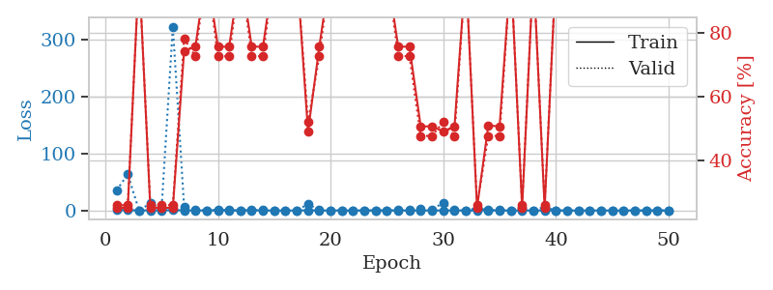
train_loss | valid_loss | train_accuracy | valid_accuracy | dur | train_misclass | valid_misclass
1.0441557195 | 35.226051496 | 0.2527173913 | 0.26086956522 | 1.1489610672 | 25.27173913 | 26.086956522
0.48308465144 | 63.442741726 | 0.2527173913 | 0.26086956522 | 1.1438946724 | 25.27173913 | 26.086956522
0.22148314507 | 0.31289924228 | 1 | 1 | 1.1442689896 | 100 | 100
0.19490296973 | 12.323930782 | 0.2527173913 | 0.26086956522 | 1.1438891888 | 25.27173913 | 26.086956522
0.30946333079 | 3.1664770479 | 0.2527173913 | 0.26086956522 | 1.1454916 | 25.27173913 | 26.086956522
0.63639400689 | 322.50119417 | 0.2527173913 | 0.26086956522 | 1.1471049786 | 25.27173913 | 26.086956522
0.34822504765 | 6.6947511797 | 0.74456521739 | 0.78260869565 | 1.1470558643 | 74.456521739 | 78.260869565
0.14093117371 | 0.98658277937 | 0.75815217391 | 0.72826086957 | 1.1467051506 | 75.815217391 | 72.826086957
0.052287219133 | 0.14300595321 | 1 | 1 | 1.1473150253 | 100 | 100
0.30583331372 | 1.0609331338 | 0.75815217391 | 0.72826086957 | 1.1460299492 | 75.815217391 | 72.826086957
0.17961561566 | 0.74230180098 | 0.75815217391 | 0.72826086957 | 1.1456346512 | 75.815217391 | 72.826086957
0.089459462496 | 0.14179084094 | 1 | 1 | 1.1471500397 | 100 | 100
0.26984034377 | 1.0298265867 | 0.75815217391 | 0.72826086957 | 1.1477818489 | 75.815217391 | 72.826086957
0.16511069415 | 0.5864488029 | 0.75815217391 | 0.72826086957 | 1.1475207806 | 75.815217391 | 72.826086957
0.06479418138 | 0.22728230642 | 1 | 1 | 1.1474149227 | 100 | 100
0.051110758234 | 0.24094394951 | 1 | 1 | 1.1475605965 | 100 | 100
0.084999567404 | 0.024194671084 | 1 | 1 | 1.1477065086 | 100 | 100
0.29177166719 | 11.304680658 | 0.49184782609 | 0.52173913043 | 1.1477212906 | 49.184782609 | 52.173913043
0.065771997198 | 0.46745132882 | 0.75815217391 | 0.72826086957 | 1.1467108727 | 75.815217391 | 72.826086957
0.10379478613 | 0.10952551307 | 1 | 1 | 1.1467010975 | 100 | 100
0.084706107752 | 0.093236823445 | 1 | 1 | 1.1462004185 | 100 | 100
0.054577864788 | 0.0078156813372 | 1 | 1 | 1.1470396519 | 100 | 100
0.036095770319 | 0.015804574946 | 1 | 1 | 1.1470355988 | 100 | 100
0.256511063 | 0.0087714520809 | 1 | 1 | 1.147711277 | 100 | 100
0.13271769459 | 0.061919496759 | 1 | 1 | 1.1483504772 | 100 | 100
0.040622264208 | 0.49251381729 | 0.75815217391 | 0.72826086957 | 1.1469972134 | 75.815217391 | 72.826086957
0.058497698826 | 0.42197347076 | 0.75815217391 | 0.72826086957 | 1.1469788551 | 75.815217391 | 72.826086957
0.17135311572 | 3.0170960945 | 0.50815217391 | 0.47826086957 | 1.1471867561 | 50.815217391 | 47.826086957
0.039735408854 | 1.1826602765 | 0.50815217391 | 0.47826086957 | 1.1492035389 | 50.815217391 | 47.826086957
0.1808107389 | 13.80994266 | 0.49184782609 | 0.52173913043 | 1.146740675 | 49.184782609 | 52.173913043
0.04116857189 | 0.76248382226 | 0.50815217391 | 0.47826086957 | 1.1492593288 | 50.815217391 | 47.826086957
0.035458082035 | 0.068046798525 | 1 | 1 | 1.1477975845 | 100 | 100
0.10464739307 | 4.2068898056 | 0.2527173913 | 0.26086956522 | 1.1493842602 | 25.27173913 | 26.086956522
0.11060415406 | 0.46434784843 | 0.51086956522 | 0.47826086957 | 1.148150444 | 51.086956522 | 47.826086957
0.063607067811 | 0.99979294383 | 0.50815217391 | 0.47826086957 | 1.1482253075 | 50.815217391 | 47.826086957
0.013252594194 | 0.0029418695738 | 1 | 1 | 1.1479053497 | 100 | 100
0.14048498223 | 4.0191804119 | 0.2527173913 | 0.26086956522 | 1.1483573914 | 25.27173913 | 26.086956522
0.047759780519 | 0.19379872019 | 1 | 1 | 1.1498365402 | 100 | 100
0.167167093 | 6.0142997244 | 0.2527173913 | 0.26086956522 | 1.1492030621 | 25.27173913 | 26.086956522
0.027380672268 | 0.062215826272 | 1 | 1 | 1.148594141 | 100 | 100
0.018431759622 | 0.0054335221446 | 1 | 1 | 1.1493296623 | 100 | 100
0.02332803525 | 0.013766785476 | 1 | 1 | 1.1485636234 | 100 | 100
0.020403037065 | 0.0031354055112 | 1 | 1 | 1.1486251354 | 100 | 100
0.16834517075 | 0.026357340505 | 1 | 1 | 1.1494452953 | 100 | 100
0.05119431688 | 0.0024693919973 | 1 | 1 | 1.1487526894 | 100 | 100
0.037549905335 | 0.0013498210642 | 1 | 1 | 1.1493537426 | 100 | 100
0.034959071569 | 0.0012815953789 | 1 | 1 | 1.1492996216 | 100 | 100
0.10910548006 | 0.0015002423948 | 1 | 1 | 1.1492264271 | 100 | 100
0.026476955962 | 0.0014230044478 | 1 | 1 | 1.1491065025 | 100 | 100
0.049196826294 | 0.0015273836806 | 1 | 1 | 1.14914608 | 100 | 100

Best Val accuracy is 1.0 and Best test accuracy is 1.0

Sheet7
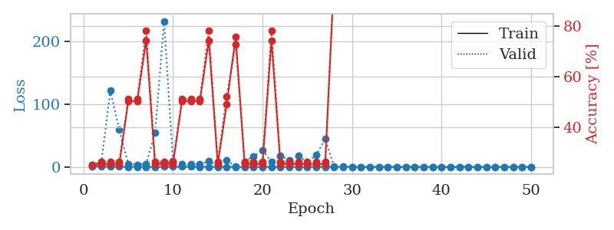
train_loss | valid_loss | train_accuracy | valid_accuracy | dur | train_misclass | valid_misclass
0.95016597924 | 1.4915237634 | 0.25 | 0.25 | 1.1486048698 | 25 | 25
0.52815384839 | 8.3999294613 | 0.2527173913 | 0.26086956522 | 1.1416294575 | 25.27173913 | 26.086956522
0.53627671366 | 121.12179798 | 0.2527173913 | 0.26086956522 | 1.1412689686 | 25.27173913 | 26.086956522
0.29686654651 | 59.036626899 | 0.2527173913 | 0.26086956522 | 1.1425843239 | 25.27173913 | 26.086956522
0.18131733896 | 4.7920714254 | 0.5027173913 | 0.51086956522 | 1.1429674625 | 50.27173913 | 51.086956522
0.16587323214 | 3.7295388035 | 0.5027173913 | 0.51086956522 | 1.142234087 | 50.27173913 | 51.086956522
0.23412824608 | 4.9274331901 | 0.74456521739 | 0.78260869565 | 1.1435315609 | 74.456521739 | 78.260869565
0.091220702328 | 53.971513334 | 0.2527173913 | 0.26086956522 | 1.1428444386 | 25.27173913 | 26.086956522
0.38804824523 | 232.00774019 | 0.2527173913 | 0.26086956522 | 1.1427383423 | 25.27173913 | 26.086956522
0.32734904114 | 9.6761477512 | 0.2527173913 | 0.26086956522 | 1.1429345608 | 25.27173913 | 26.086956522
0.36263601798 | 4.0614207828 | 0.5027173913 | 0.51086956522 | 1.1431822777 | 50.27173913 | 51.086956522
0.29555761668 | 4.0875327483 | 0.5027173913 | 0.51086956522 | 1.1422777176 | 50.27173913 | 51.086956522
0.17796729562 | 4.5645961761 | 0.5027173913 | 0.51086956522 | 1.1429481506 | 50.27173913 | 51.086956522
0.11244061028 | 9.110660553 | 0.74456521739 | 0.78260869565 | 1.1430821419 | 74.456521739 | 78.260869565
0.14112347715 | 3.1167356657 | 0.2527173913 | 0.26086956522 | 1.1432812214 | 25.27173913 | 26.086956522
0.1233184702 | 10.736676962 | 0.49184782609 | 0.52173913043 | 1.1431050301 | 49.184782609 | 52.173913043
0.076136486078 | 0.53769251704 | 0.75815217391 | 0.72826086957 | 1.1438221931 | 75.815217391 | 72.826086957
0.045600916628 | 8.8163653664 | 0.2527173913 | 0.26086956522 | 1.1430227757 | 25.27173913 | 26.086956522
0.039677452195 | 17.011215044 | 0.2527173913 | 0.26086956522 | 1.1436815262 | 25.27173913 | 26.086956522
0.088954352166 | 26.953744722 | 0.2527173913 | 0.26086956522 | 1.1441009045 | 25.27173913 | 26.086956522
0.26751784689 | 7.8770538828 | 0.74456521739 | 0.78260869565 | 1.1439807415 | 74.456521739 | 78.260869565
0.1816360484 | 18.155069102 | 0.2527173913 | 0.26086956522 | 1.1442506313 | 25.27173913 | 26.086956522
0.031703693266 | 10.680880132 | 0.2527173913 | 0.26086956522 | 1.1441748142 | 25.27173913 | 26.086956522
0.025892378322 | 18.185550607 | 0.2527173913 | 0.26086956522 | 1.1443696022 | 25.27173913 | 26.086956522
0.011488650202 | 7.0906502475 | 0.2527173913 | 0.26086956522 | 1.1445593834 | 25.27173913 | 26.086956522
0.16216796443 | 19.156831907 | 0.2527173913 | 0.26086956522 | 1.144774437 | 25.27173913 | 26.086956522
0.17183855362 | 44.276367188 | 0.2527173913 | 0.26086956522 | 1.1442842484 | 25.27173913 | 26.086956522
0.11389045578 | 0.29443604272 | 1 | 1 | 1.1435770988 | 100 | 100
0.32998567287 | 0.14782406357 | 1 | 1 | 1.143872261 | 100 | 100
0.091021273083 | 0.062409742371 | 1 | 1 | 1.1437697411 | 100 | 100
0.067048852777 | 0.0062486195694 | 1 | 1 | 1.1442708969 | 100 | 100
0.056918029719 | 0.043247099318 | 1 | 1 | 1.1445119381 | 100 | 100
0.022680471474 | 0.0017156596751 | 1 | 1 | 1.1451640129 | 100 | 100
0.12257990042 | 0.060785274305 | 1 | 1 | 1.1441993713 | 100 | 100
0.047328511319 | 0.018706302199 | 1 | 1 | 1.1446452141 | 100 | 100
0.041143683479 | 0.0034287193405 | 1 | 1 | 1.1447818279 | 100 | 100
0.038351214309 | 0.0031492214083 | 1 | 1 | 1.145134449 | 100 | 100
0.11343092698 | 0.018063735946 | 1 | 1 | 1.1448175907 | 100 | 100
0.10629296522 | 0.0032874730355 | 1 | 1 | 1.1455798149 | 100 | 100
0.023339944841 | 0.0019880048526 | 1 | 1 | 1.1456315517 | 100 | 100
0.018846673719 | 0.0023040433475 | 1 | 1 | 1.1466982365 | 100 | 100
0.036758856792 | 0.062297714145 | 1 | 1 | 1.1457567215 | 100 | 100
0.053808445875 | 0.017910348049 | 1 | 1 | 1.146895647 | 100 | 100
0.01017942068 | 0.0016589973213 | 1 | 1 | 1.1461539268 | 100 | 100
0.02004690483 | 0.0010478038407 | 1 | 1 | 1.145942688 | 100 | 100
0.01222861129 | 0.0010594999337 | 1 | 1 | 1.145539999 | 100 | 100
0.12023960223 | 0.0010121391312 | 1 | 1 | 1.1469583511 | 100 | 100
0.01825843673 | 0.0012190670038 | 1 | 1 | 1.1465508938 | 100 | 100
0.02405905228 | 0.0011356422404 | 1 | 1 | 1.1463634968 | 100 | 100
0.036680205923 | 0.0011746434586 | 1 | 1 | 1.1464233398 | 100 | 100

Best Val accuracy is 1.0 and Best test accuracy is 1.0

Sheet8
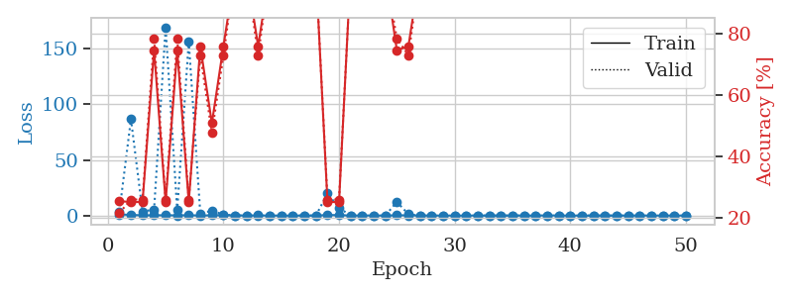
train_loss | valid_loss | train_accuracy | valid_accuracy | dur | train_misclass | valid_misclass
1.0569461882 | 3.5859397287 | 0.25543478261 | 0.21739130435 | 1.1473708153 | 25.543478261 | 21.739130435
0.5883702571 | 86.814246136 | 0.2527173913 | 0.26086956522 | 1.1423883438 | 25.27173913 | 26.086956522
0.25011861276 | 3.6816585686 | 0.2527173913 | 0.26086956522 | 1.1428492069 | 25.27173913 | 26.086956522
0.24434170945 | 5.3865556302 | 0.74456521739 | 0.78260869565 | 1.1418364048 | 74.456521739 | 78.260869565
0.28901714487 | 169.47366996 | 0.2527173913 | 0.26086956522 | 1.1435165405 | 25.27173913 | 26.086956522
0.18818388349 | 4.7587236218 | 0.74456521739 | 0.78260869565 | 1.1411812305 | 74.456521739 | 78.260869565
0.31336292139 | 156.48886705 | 0.2527173913 | 0.26086956522 | 1.1427154541 | 25.27173913 | 26.086956522
0.045649735662 | 1.5601304666 | 0.75815217391 | 0.72826086957 | 1.1424515247 | 75.815217391 | 72.826086957
0.21583134199 | 4.4450497005 | 0.50815217391 | 0.47826086957 | 1.1428678036 | 50.815217391 | 47.826086957
0.44802448162 | 0.88726525462 | 0.75815217391 | 0.72826086957 | 1.1420903206 | 75.815217391 | 72.826086957
0.14840644995 | 0.073265321391 | 1 | 1 | 1.1422502995 | 100 | 100
0.10369987782 | 0.0469210982 | 1 | 1 | 1.1444866657 | 100 | 100
0.10404112826 | 0.28306230579 | 0.75815217391 | 0.72826086957 | 1.1426270008 | 75.815217391 | 72.826086957
0.064717079493 | 0.019194834177 | 1 | 1 | 1.1425437927 | 100 | 100
0.033684991847 | 0.0060140887964 | 1 | 1 | 1.1430177689 | 100 | 100
0.021393139685 | 0.0043140473047 | 1 | 1 | 1.1442539692 | 100 | 100
0.058919667803 | 0.055062059151 | 1 | 1 | 1.1442320347 | 100 | 100
0.041844447305 | 0.011533262573 | 1 | 1 | 1.1433997154 | 100 | 100
0.5138323424 | 19.862232374 | 0.2527173913 | 0.26086956522 | 1.1443197727 | 25.27173913 | 26.086956522
0.38112700356 | 6.9772116827 | 0.2527173913 | 0.26086956522 | 1.1436874866 | 25.27173913 | 26.086956522
0.085774458945 | 0.021607263662 | 1 | 1 | 1.1431064606 | 100 | 100
0.13106725379 | 0.015140748704 | 1 | 1 | 1.1442770958 | 100 | 100
0.088126332256 | 0.018352981333 | 1 | 1 | 1.143856287 | 100 | 100
0.042658246335 | 0.0034543711834 | 1 | 1 | 1.1440429688 | 100 | 100
0.28371859568 | 12.261599541 | 0.74456521739 | 0.78260869565 | 1.1435308456 | 74.456521739 | 78.260869565
0.1769505986 | 1.2427242398 | 0.75815217391 | 0.72826086957 | 1.144298315 | 75.815217391 | 72.826086957
0.13766845822 | 0.0064766853845 | 1 | 1 | 1.1447417736 | 100 | 100
0.062316735559 | 0.0079885517733 | 1 | 1 | 1.1441063881 | 100 | 100
0.02253095097 | 0.0039958011399 | 1 | 1 | 1.1447851658 | 100 | 100
0.055103963023 | 0.0028753241463 | 1 | 1 | 1.1441254616 | 100 | 100
0.067895873845 | 0.0087283449652 | 1 | 1 | 1.144920826 | 100 | 100
0.050929466642 | 0.0028429711238 | 1 | 1 | 1.1445064545 | 100 | 100
0.059657531441 | 0.0038099465284 | 1 | 1 | 1.1453268528 | 100 | 100
0.037852458023 | 0.0020916462856 | 1 | 1 | 1.1448495388 | 100 | 100
0.088156759552 | 0.0026142041543 | 1 | 1 | 1.1449387074 | 100 | 100
0.080645483352 | 0.0021706492863 | 1 | 1 | 1.1452820301 | 100 | 100
0.02304097139 | 0.0014189999783 | 1 | 1 | 1.1453881264 | 100 | 100
0.20217845605 | 0.0013746230701 | 1 | 1 | 1.1459214687 | 100 | 100
0.096168918753 | 0.0032355528041 | 1 | 1 | 1.1454720497 | 100 | 100
0.078215770844 | 0.001251064327 | 1 | 1 | 1.145825386 | 100 | 100
0.0092171972931 | 0.0018344574264 | 1 | 1 | 1.1455681324 | 100 | 100
0.014416408092 | 0.001891105861 | 1 | 1 | 1.1452248096 | 100 | 100
0.026575052453 | 0.0016435542518 | 1 | 1 | 1.1460754871 | 100 | 100
0.043723810489 | 0.0017000798328 | 1 | 1 | 1.1462950706 | 100 | 100
0.052200223734 | 0.0018690156285 | 1 | 1 | 1.1457262039 | 100 | 100
0.15346993211 | 0.0020157113246 | 1 | 1 | 1.1461751461 | 100 | 100
0.01200425309 | 0.0015282128968 | 1 | 1 | 1.1462836266 | 100 | 100
0.090355958137 | 0.0014081893377 | 1 | 1 | 1.1464316845 | 100 | 100
0.09064994678 | 0.0015527722021 | 1 | 1 | 1.1470780373 | 100 | 100
0.014083156767 | 0.0016784113073 | 1 | 1 | 1.1465232372 | 100 | 100

Best Val accuracy is 1.0 and Best test accuracy is 1.0

Sheet9
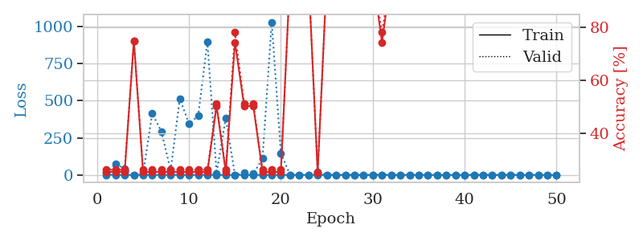
train_loss | valid_loss | train_accuracy | valid_accuracy | dur | train_misclass | valid_misclass
1.0687278094 | 13.618182638 | 0.2527173913 | 0.26086956522 | 1.1483535767 | 25.27173913 | 26.086956522
0.5779428806 | 73.259823675 | 0.2527173913 | 0.26086956522 | 1.1439855099 | 25.27173913 | 26.086956522
0.31239487004 | 43.503479501 | 0.2527173913 | 0.26086956522 | 1.1450395584 | 25.27173913 | 26.086956522
0.092070615567 | 0.75885290685 | 0.75 | 0.75 | 1.1446473598 | 75 | 75
0.13217690858 | 6.6663883873 | 0.2527173913 | 0.26086956522 | 1.1485528946 | 25.27173913 | 26.086956522
0.11164199897 | 413.59714276 | 0.2527173913 | 0.26086956522 | 1.1435565948 | 25.27173913 | 26.086956522
0.44140973098 | 291.4923852 | 0.2527173913 | 0.26086956522 | 1.1449930668 | 25.27173913 | 26.086956522
0.36254647552 | 31.418386459 | 0.2527173913 | 0.26086956522 | 1.144626379 | 25.27173913 | 26.086956522
0.19456131939 | 513.91507091 | 0.2527173913 | 0.26086956522 | 1.1448400021 | 25.27173913 | 26.086956522
0.12995166316 | 342.91209611 | 0.2527173913 | 0.26086956522 | 1.1446344852 | 25.27173913 | 26.086956522
0.11377424163 | 399.15771882 | 0.2527173913 | 0.26086956522 | 1.1452088356 | 25.27173913 | 26.086956522
0.070998071875 | 897.13727337 | 0.2527173913 | 0.26086956522 | 1.145005703 | 25.27173913 | 26.086956522
0.11939108624 | 12.074114799 | 0.5027173913 | 0.51086956522 | 1.1446185112 | 50.27173913 | 51.086956522
0.13145468742 | 382.99548207 | 0.2527173913 | 0.26086956522 | 1.1448526382 | 25.27173913 | 26.086956522
0.10620854432 | 0.18481090794 | 0.74456521739 | 0.78260869565 | 1.1456532478 | 74.456521739 | 78.260869565
0.10919060109 | 16.851923196 | 0.5027173913 | 0.51086956522 | 1.1461412907 | 50.27173913 | 51.086956522
0.080853358131 | 7.7100316131 | 0.5027173913 | 0.51086956522 | 1.1449832916 | 50.27173913 | 51.086956522
0.079532884292 | 110.40040091 | 0.2527173913 | 0.26086956522 | 1.1444659233 | 25.27173913 | 26.086956522
0.19097461059 | 1029.1506427 | 0.2527173913 | 0.26086956522 | 1.1444284916 | 25.27173913 | 26.086956522
0.099348581578 | 144.37467691 | 0.2527173913 | 0.26086956522 | 1.1446166039 | 25.27173913 | 26.086956522
0.054688629634 | 0.010331990541 | 1 | 1 | 1.1453120708 | 100 | 100
0.020614854576 | 0.0019249845519 | 1 | 1 | 1.147657156 | 100 | 100
0.026686005158 | 0.0010174166072 | 1 | 1 | 1.1445093155 | 100 | 100
0.037799342075 | 18.057668562 | 0.25 | 0.25 | 1.1452085972 | 25 | 25
0.01078820405 | 0.0005952948097 | 1 | 1 | 1.1450340748 | 100 | 100
0.024955790155 | 0.00089449341581 | 1 | 1 | 1.1458282471 | 100 | 100
0.016779732747 | 0.00034216057342 | 1 | 1 | 1.1456046104 | 100 | 100
0.002622442959 | 0.00024500490311 | 1 | 1 | 1.1456823349 | 100 | 100
0.013782579331 | 0.00032352552618 | 1 | 1 | 1.1456282139 | 100 | 100
0.0065201423004 | 0.0002781984905 | 1 | 1 | 1.1456582546 | 100 | 100
0.15720094942 | 1.0424278923 | 0.74456521739 | 0.78260869565 | 1.1468613148 | 74.456521739 | 78.260869565
0.024254706716 | 0.00079974074565 | 1 | 1 | 1.145270586 | 100 | 100
0.0052509607846 | 0.00044466405803 | 1 | 1 | 1.1477296352 | 100 | 100
0.020972136241 | 0.18758613843 | 0.95108695652 | 0.95652173913 | 1.1471822262 | 95.108695652 | 95.652173913
0.0068733944373 | 0.00058500711938 | 1 | 1 | 1.1468551159 | 100 | 100
0.015730603239 | 0.00020874680321 | 1 | 1 | 1.1466026306 | 100 | 100
0.0070540635232 | 0.00018614149936 | 1 | 1 | 1.1472754478 | 100 | 100
0.0009344463925 | 0.00021514822995 | 1 | 1 | 1.1470735073 | 100 | 100
0.0027465643912 | 0.00018689629138 | 1 | 1 | 1.1470127106 | 100 | 100
0.0052906219897 | 0.00015057095278 | 1 | 1 | 1.1476678848 | 100 | 100
0.0029283339049 | 0.00022062916137 | 1 | 1 | 1.1471581459 | 100 | 100
0.0023124391395 | 0.00023333436832 | 1 | 1 | 1.1479113102 | 100 | 100
0.0017114603018 | 0.00019119991655 | 1 | 1 | 1.1473214626 | 100 | 100
0.012759116371 | 0.00017054617638 | 1 | 1 | 1.1472916603 | 100 | 100
0.0042407273539 | 0.00013852707122 | 1 | 1 | 1.1472990513 | 100 | 100
0.0017414633026 | 0.00015617694653 | 1 | 1 | 1.1475212574 | 100 | 100
0.0012347393235 | 0.00013722758709 | 1 | 1 | 1.1468203068 | 100 | 100
0.0019025447261 | 0.00014996464407 | 1 | 1 | 1.1481480598 | 100 | 100
0.0047071824982 | 0.00020718209397 | 1 | 1 | 1.1481833458 | 100 | 100
0.0011446890921 | 0.00015250633157 | 1 | 1 | 1.1477544308 | 100 | 100

Best Val accuracy is 1.0 and Best test accuracy is 1.0

Sheet10
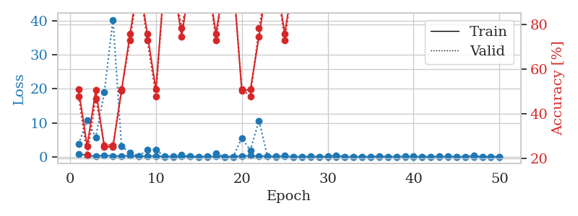
train_loss | valid_loss | train_accuracy | valid_accuracy | dur | train_misclass | valid_misclass
0.89780611966 | 3.7425199695 | 0.50815217391 | 0.47826086957 | 1.1495585442 | 50.815217391 | 47.826086957
0.38428415552 | 10.824447673 | 0.25543478261 | 0.21739130435 | 1.1443836689 | 25.543478261 | 21.739130435
0.17803666384 | 5.7571565379 | 0.50543478261 | 0.46739130435 | 1.1442255974 | 50.543478261 | 46.739130435
0.44469759808 | 18.989491421 | 0.2527173913 | 0.26086956522 | 1.1434350014 | 25.27173913 | 26.086956522
0.19997598867 | 40.34474348 | 0.2527173913 | 0.26086956522 | 1.1438593864 | 25.27173913 | 26.086956522
0.24547140563 | 3.0402865721 | 0.5027173913 | 0.51086956522 | 1.1441657543 | 50.27173913 | 51.086956522
0.2992569013 | 1.2494332142 | 0.75815217391 | 0.72826086957 | 1.1462085247 | 75.815217391 | 72.826086957
0.12964444846 | 0.23753240769 | 1 | 1 | 1.145642519 | 100 | 100
0.2563060867 | 2.0079604232 | 0.75815217391 | 0.72826086957 | 1.1454648972 | 75.815217391 | 72.826086957
0.18189773972 | 2.1671665389 | 0.50815217391 | 0.47826086957 | 1.1438014507 | 50.815217391 | 47.826086957
0.11125916348 | 0.010796713764 | 1 | 1 | 1.1443669796 | 100 | 100
0.11893601993 | 0.049452620518 | 1 | 1 | 1.1438920498 | 100 | 100
0.083239100448 | 0.50368822787 | 0.74456521739 | 0.78260869565 | 1.1449229717 | 74.456521739 | 78.260869565
0.095335839053 | 0.065770944176 | 1 | 1 | 1.1454062462 | 100 | 100
0.035399878777 | 0.0096454646276 | 1 | 1 | 1.1447508335 | 100 | 100
0.071083390802 | 0.0012898885432 | 1 | 1 | 1.1457231045 | 100 | 100
0.16181070625 | 1.0562868403 | 0.75815217391 | 0.72826086957 | 1.1450028419 | 75.815217391 | 72.826086957
0.03163024525 | 0.015130410376 | 1 | 1 | 1.1460120678 | 100 | 100
0.045159246514 | 0.051800273845 | 1 | 1 | 1.1446297169 | 100 | 100
0.25444686047 | 5.4954458423 | 0.5027173913 | 0.51086956522 | 1.145206213 | 50.27173913 | 51.086956522
0.27447188581 | 1.9521630743 | 0.50815217391 | 0.47826086957 | 1.144453764 | 50.815217391 | 47.826086957
0.17558788737 | 10.636562969 | 0.74456521739 | 0.78260869565 | 1.1453197002 | 74.456521739 | 78.260869565
0.19460752804 | 0.088855690282 | 1 | 1 | 1.1455578804 | 100 | 100
0.087618354313 | 0.022352523778 | 1 | 1 | 1.1455905437 | 100 | 100
0.16931989281 | 0.42091111385 | 0.75815217391 | 0.72826086957 | 1.14798069 | 75.815217391 | 72.826086957
0.021665456998 | 0.013551259413 | 1 | 1 | 1.1458876133 | 100 | 100
0.03934812356 | 0.0025114802866 | 1 | 1 | 1.146132946 | 100 | 100
0.1036573233 | 0.0089392532068 | 1 | 1 | 1.1454765797 | 100 | 100
0.022863767353 | 0.0024279713044 | 1 | 1 | 1.1468274593 | 100 | 100
0.06753955742 | 0.0021719222929 | 1 | 1 | 1.1465182304 | 100 | 100
0.3791603797 | 0.024149892325 | 1 | 1 | 1.1459703445 | 100 | 100
0.031570792887 | 0.0047130321314 | 1 | 1 | 1.1470181942 | 100 | 100
0.022956728389 | 0.0041282921017 | 1 | 1 | 1.1463680267 | 100 | 100
0.029180157444 | 0.0024984275983 | 1 | 1 | 1.1471095085 | 100 | 100
0.018465754141 | 0.0020722902846 | 1 | 1 | 1.1463158131 | 100 | 100
0.16828278207 | 0.017889435363 | 1 | 1 | 1.1468808651 | 100 | 100
0.012499398506 | 0.0040559253817 | 1 | 1 | 1.1467535496 | 100 | 100
0.019525728836 | 0.0018121194975 | 1 | 1 | 1.1478145123 | 100 | 100
0.11690468302 | 0.0045247066402 | 1 | 1 | 1.1471748352 | 100 | 100
0.091039357545 | 0.0053526616615 | 1 | 1 | 1.147138834 | 100 | 100
0.036695004826 | 0.001586267841 | 1 | 1 | 1.1472296715 | 100 | 100
0.022445215823 | 0.0012549897048 | 1 | 1 | 1.1474432945 | 100 | 100
0.052231550126 | 0.0016574782481 | 1 | 1 | 1.1471323967 | 100 | 100
0.057313237106 | 0.0012468352317 | 1 | 1 | 1.1474382877 | 100 | 100
0.051051094232 | 0.0015266110675 | 1 | 1 | 1.1473054886 | 100 | 100
0.030436043354 | 0.001242719039 | 1 | 1 | 1.1470506191 | 100 | 100
0.27414264415 | 0.0012247950881 | 1 | 1 | 1.1483843327 | 100 | 100
0.010625456227 | 0.0016850398742 | 1 | 1 | 1.1474971771 | 100 | 100
0.017402704213 | 0.0014109610701 | 1 | 1 | 1.1480805874 | 100 | 100
0.034061294181 | 0.0013570166446 | 1 | 1 | 1.1477997303 | 100 | 100

Best Val accuracy is 1.0 and Best test accuracy is 1.0

