Sheet
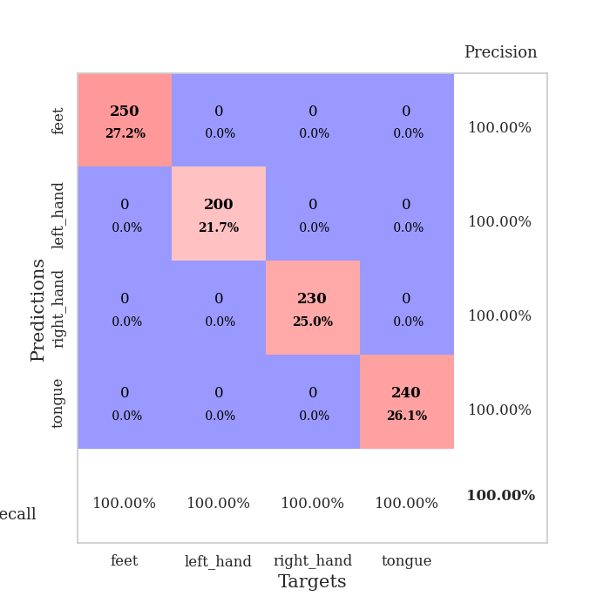
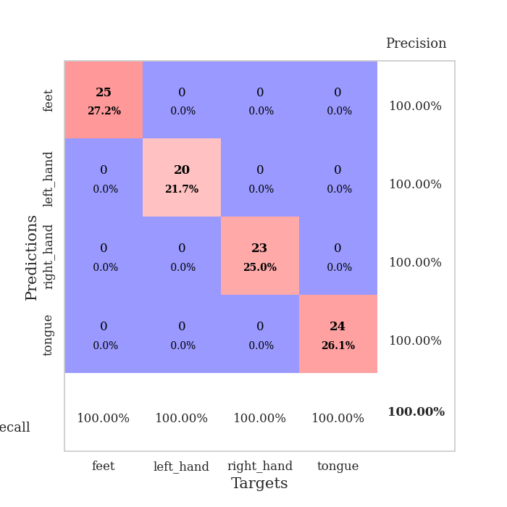
best_val_acc | best_val_los | best_test_acc
1 | 0.0015441074603 | 1
1 | 0.0033525393506 | 1
1 | 0.0012353224093 | 1
1 | 0.0012194274408 | 1
1 | 0.00064303681669 | 1
1 | 0.00073982968815 | 1
1 | 0.0005415152523 | 1
1 | 0.0018016842153 | 1
1 | 0.00047097320835 | 1
1 | 0.00053947612026 | 1

Mean,std Val accuracy is 1.0 , 0.0 and mean, std test accuracy is 1.0 , 0.0

Sheet1
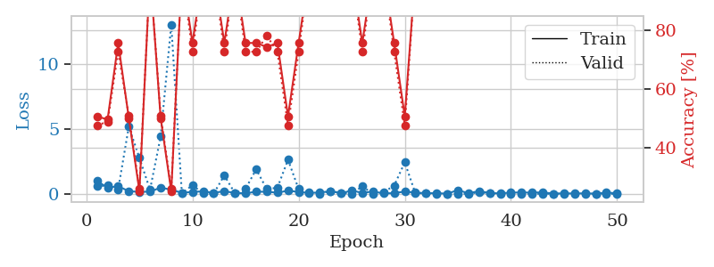
train_loss | valid_loss | train_accuracy | valid_accuracy | dur | train_misclass | valid_misclass
0.98988257672 | 0.5895160929 | 0.50815217391 | 0.47826086957 | 1.147551775 | 50.815217391 | 47.826086957
0.47036157095 | 0.63499667852 | 0.4972826087 | 0.48913043478 | 1.1436572075 | 49.72826087 | 48.913043478
0.58693314765 | 0.34838317011 | 0.75815217391 | 0.72826086957 | 1.1457028389 | 75.815217391 | 72.826086957
0.19962268064 | 5.1631312163 | 0.5027173913 | 0.51086956522 | 1.1450419426 | 50.27173913 | 51.086956522
0.15150549951 | 2.7680766997 | 0.2527173913 | 0.26086956522 | 1.1446173191 | 25.27173913 | 26.086956522
0.16470419996 | 0.31012420939 | 1 | 1 | 1.1454222202 | 100 | 100
0.47937305733 | 4.411067973 | 0.5027173913 | 0.51086956522 | 1.147182703 | 50.27173913 | 51.086956522
0.3152503151 | 13.026717186 | 0.2527173913 | 0.26086956522 | 1.1446690559 | 25.27173913 | 26.086956522
0.076501174061 | 0.03097093494 | 1 | 1 | 1.1460630894 | 100 | 100
0.14942957815 | 0.66662447219 | 0.75815217391 | 0.72826086957 | 1.1450331211 | 75.815217391 | 72.826086957
0.18516843808 | 0.030889123273 | 1 | 1 | 1.1462068558 | 100 | 100
0.077666336225 | 0.023860968082 | 1 | 1 | 1.1459388733 | 100 | 100
0.20078688461 | 1.4128186806 | 0.75815217391 | 0.72826086957 | 1.1456818581 | 75.815217391 | 72.826086957
0.064687304219 | 0.044625093432 | 1 | 1 | 1.1461250782 | 100 | 100
0.040098666775 | 0.38691443853 | 0.75815217391 | 0.72826086957 | 1.1463646889 | 75.815217391 | 72.826086957
0.15828810515 | 1.8833171855 | 0.75815217391 | 0.72826086957 | 1.146273613 | 75.815217391 | 72.826086957
0.1586532473 | 0.36665080553 | 0.74456521739 | 0.78260869565 | 1.1467132568 | 74.456521739 | 78.260869565
0.08733323179 | 0.46626279406 | 0.75815217391 | 0.72826086957 | 1.146304369 | 75.815217391 | 72.826086957
0.24238551546 | 2.6210373588 | 0.50815217391 | 0.47826086957 | 1.1464598179 | 50.815217391 | 47.826086957
0.14220543196 | 0.36500195317 | 0.75815217391 | 0.72826086957 | 1.1463136673 | 75.815217391 | 72.826086957
0.078427838971 | 0.11952500726 | 1 | 1 | 1.1459028721 | 100 | 100
0.093678691971 | 0.015155227936 | 1 | 1 | 1.1471588612 | 100 | 100
0.20552445361 | 0.20621722159 | 1 | 1 | 1.1465666294 | 100 | 100
0.041691857319 | 0.07592117009 | 1 | 1 | 1.146944046 | 100 | 100
0.24899383342 | 0.0023811565732 | 1 | 1 | 1.1467864513 | 100 | 100
0.072043158661 | 0.57336027337 | 0.75815217391 | 0.72826086957 | 1.1465957165 | 75.815217391 | 72.826086957
0.17807826675 | 0.004167637393 | 1 | 1 | 1.1465337276 | 100 | 100
0.027549711957 | 0.12205509453 | 1 | 1 | 1.1466691494 | 100 | 100
0.054321275381 | 0.62904604103 | 0.75815217391 | 0.72826086957 | 1.1470196247 | 75.815217391 | 72.826086957
0.17389180424 | 2.4155709484 | 0.50815217391 | 0.47826086957 | 1.1484851837 | 50.815217391 | 47.826086957
0.094236733306 | 0.0386480817 | 1 | 1 | 1.1475756168 | 100 | 100
0.053083002345 | 0.057202992718 | 1 | 1 | 1.1476593018 | 100 | 100
0.047144525932 | 0.01505406043 | 1 | 1 | 1.1476664543 | 100 | 100
0.013587846304 | 0.0016495788915 | 1 | 1 | 1.1481583118 | 100 | 100
0.28016101353 | 0.0043354517193 | 1 | 1 | 1.1474881172 | 100 | 100
0.042322273366 | 0.0053707167668 | 1 | 1 | 1.1488354206 | 100 | 100
0.20852428159 | 0.11469448487 | 1 | 1 | 1.1485910416 | 100 | 100
0.062988294537 | 0.020724558312 | 1 | 1 | 1.1490707397 | 100 | 100
0.032707098001 | 0.0065470778424 | 1 | 1 | 1.1489465237 | 100 | 100
0.095118108454 | 0.0028719395784 | 1 | 1 | 1.1494996548 | 100 | 100
0.10264248915 | 0.0078901829117 | 1 | 1 | 1.1495654583 | 100 | 100
0.09232440028 | 0.0050523231089 | 1 | 1 | 1.1487355232 | 100 | 100
0.11217749149 | 0.002372659095 | 1 | 1 | 1.1495451927 | 100 | 100
0.017171657872 | 0.0015441074603 | 1 | 1 | 1.149364233 | 100 | 100
0.036570717798 | 0.0021288805317 | 1 | 1 | 1.1495304108 | 100 | 100
0.025221766216 | 0.0017035593957 | 1 | 1 | 1.1491904259 | 100 | 100
0.038287935576 | 0.0019303192486 | 1 | 1 | 1.1491451263 | 100 | 100
0.011678462732 | 0.0020361612855 | 1 | 1 | 1.148986578 | 100 | 100
0.093247275683 | 0.0017100789827 | 1 | 1 | 1.149294138 | 100 | 100
0.043310052756 | 0.0017443470019 | 1 | 1 | 1.1488745213 | 100 | 100

Best Val accuracy is 1.0 and Best test accuracy is 1.0

Sheet2
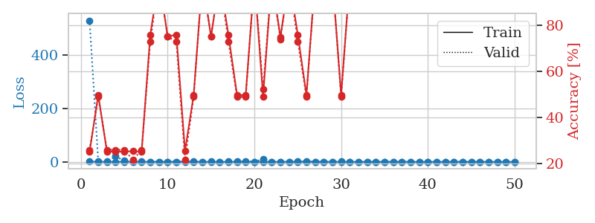
train_loss | valid_loss | train_accuracy | valid_accuracy | dur | train_misclass | valid_misclass
0.93246280758 | 530.04410852 | 0.2527173913 | 0.26086956522 | 1.1516814232 | 25.27173913 | 26.086956522
0.57690381226 | 1.3159279771 | 0.4972826087 | 0.48913043478 | 1.1451251507 | 49.72826087 | 48.913043478
0.3277859947 | 0.92091699269 | 0.2527173913 | 0.26086956522 | 1.1463758945 | 25.27173913 | 26.086956522
0.40849011974 | 20.737909815 | 0.2527173913 | 0.26086956522 | 1.1460547447 | 25.27173913 | 26.086956522
0.47228773359 | 3.8759507615 | 0.2527173913 | 0.26086956522 | 1.1466257572 | 25.27173913 | 26.086956522
0.26252824003 | 2.0118641024 | 0.25543478261 | 0.21739130435 | 1.1455929279 | 25.543478261 | 21.739130435
0.26780950424 | 1.2920616191 | 0.2527173913 | 0.26086956522 | 1.1467339993 | 25.27173913 | 26.086956522
0.29731119975 | 0.47612622639 | 0.75815217391 | 0.72826086957 | 1.146320343 | 75.815217391 | 72.826086957
0.2331832227 | 0.19347513759 | 1 | 1 | 1.1474246979 | 100 | 100
0.17232155573 | 0.32437265049 | 0.75 | 0.75 | 1.1478106976 | 75 | 75
0.40269498373 | 0.64111617078 | 0.75815217391 | 0.72826086957 | 1.1455421448 | 75.815217391 | 72.826086957
0.14191248916 | 1.100276097 | 0.25543478261 | 0.21739130435 | 1.1462087631 | 25.543478261 | 21.739130435
0.10328251012 | 2.0571842919 | 0.4972826087 | 0.48913043478 | 1.1466100216 | 49.72826087 | 48.913043478
0.092857587333 | 0.017399829043 | 1 | 1 | 1.1467397213 | 100 | 100
0.21630646992 | 0.78603281664 | 0.75 | 0.75 | 1.1474642754 | 75 | 75
0.11922008074 | 0.0059501815628 | 1 | 1 | 1.1468932629 | 100 | 100
0.24433732992 | 0.73031930949 | 0.75815217391 | 0.72826086957 | 1.1473288536 | 75.815217391 | 72.826086957
0.1151813925 | 0.97731485056 | 0.4972826087 | 0.48913043478 | 1.1475255489 | 49.72826087 | 48.913043478
0.051509934498 | 2.9192743094 | 0.4972826087 | 0.48913043478 | 1.1478147507 | 49.72826087 | 48.913043478
0.062297163977 | 0.029473101963 | 1 | 1 | 1.14752841 | 100 | 100
0.10396558441 | 10.899286975 | 0.49184782609 | 0.52173913043 | 1.1480073929 | 49.184782609 | 52.173913043
0.1862582215 | 0.10067383621 | 1 | 1 | 1.147783041 | 100 | 100
0.10646626693 | 0.34271121673 | 0.7472826087 | 0.73913043478 | 1.1478917599 | 74.72826087 | 73.913043478
0.38137522655 | 0.13984743085 | 1 | 1 | 1.1488108635 | 100 | 100
0.36069728497 | 1.3428360198 | 0.75815217391 | 0.72826086957 | 1.147783041 | 75.815217391 | 72.826086957
0.3561498809 | 2.2499803357 | 0.4972826087 | 0.48913043478 | 1.1482670307 | 49.72826087 | 48.913043478
0.22889697364 | 0.019888202538 | 1 | 1 | 1.1483561993 | 100 | 100
0.20896762838 | 0.041022546589 | 1 | 1 | 1.1485548019 | 100 | 100
0.081387374793 | 0.016694208891 | 1 | 1 | 1.1492350101 | 100 | 100
0.12755259193 | 2.5047431303 | 0.4972826087 | 0.48913043478 | 1.1488907337 | 49.72826087 | 48.913043478
0.16563582432 | 0.006777426896 | 1 | 1 | 1.1492519379 | 100 | 100
0.061240885326 | 0.011935973783 | 1 | 1 | 1.1490855217 | 100 | 100
0.14652263219 | 0.013506071237 | 1 | 1 | 1.1489841938 | 100 | 100
0.056583802297 | 0.0051900362798 | 1 | 1 | 1.1489725113 | 100 | 100
0.20199164058 | 0.012650962636 | 1 | 1 | 1.1493005753 | 100 | 100
0.034509649348 | 0.0041180480798 | 1 | 1 | 1.1491918564 | 100 | 100
0.15348758265 | 0.0063364703775 | 1 | 1 | 1.1490104198 | 100 | 100
0.032205736831 | 0.0052416571416 | 1 | 1 | 1.1486926079 | 100 | 100
0.060414966358 | 0.0033621160091 | 1 | 1 | 1.1487689018 | 100 | 100
0.05266588406 | 0.019855767569 | 1 | 1 | 1.1497225761 | 100 | 100
0.013029211737 | 0.0043342977803 | 1 | 1 | 1.1488726139 | 100 | 100
0.05626654052 | 0.003818861553 | 1 | 1 | 1.14935112 | 100 | 100
0.13394964602 | 0.0046819355541 | 1 | 1 | 1.1490633488 | 100 | 100
0.062545340184 | 0.0044460399076 | 1 | 1 | 1.1496415138 | 100 | 100
0.060213083422 | 0.0040005587608 | 1 | 1 | 1.1493513584 | 100 | 100
0.070492573194 | 0.0034976181898 | 1 | 1 | 1.1494884491 | 100 | 100
0.036167649593 | 0.0034683768678 | 1 | 1 | 1.1500666142 | 100 | 100
0.039399375835 | 0.003364459733 | 1 | 1 | 1.14991045 | 100 | 100
0.024055506715 | 0.003664640568 | 1 | 1 | 1.1494107246 | 100 | 100
0.01238915634 | 0.0033525393506 | 1 | 1 | 1.1490974426 | 100 | 100

Best Val accuracy is 1.0 and Best test accuracy is 1.0

Sheet3
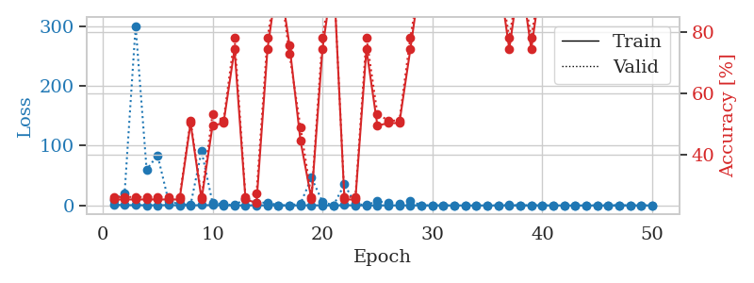
train_loss | valid_loss | train_accuracy | valid_accuracy | dur | train_misclass | valid_misclass
1.0335679262 | 9.1883660192 | 0.2527173913 | 0.26086956522 | 1.1525056362 | 25.27173913 | 26.086956522
0.50258397343 | 20.858275123 | 0.2527173913 | 0.26086956522 | 1.1469550133 | 25.27173913 | 26.086956522
0.44525911529 | 300.6075267 | 0.2527173913 | 0.26086956522 | 1.1471660137 | 25.27173913 | 26.086956522
0.23427528467 | 59.93826692 | 0.2527173913 | 0.26086956522 | 1.1479690075 | 25.27173913 | 26.086956522
0.29193424255 | 83.989215685 | 0.2527173913 | 0.26086956522 | 1.1475024223 | 25.27173913 | 26.086956522
0.56023856746 | 6.7351695558 | 0.2527173913 | 0.26086956522 | 1.1473231316 | 25.27173913 | 26.086956522
0.16283153127 | 2.176022172 | 0.2527173913 | 0.26086956522 | 1.1483097076 | 25.27173913 | 26.086956522
0.12611634875 | 0.76339398519 | 0.5027173913 | 0.51086956522 | 1.1488053799 | 50.27173913 | 51.086956522
0.45800154778 | 91.028639752 | 0.2527173913 | 0.26086956522 | 1.1486883163 | 25.27173913 | 26.086956522
0.39313632072 | 4.2821463502 | 0.49456521739 | 0.53260869565 | 1.1454145908 | 49.456521739 | 53.260869565
0.19815066206 | 2.0276010762 | 0.5027173913 | 0.51086956522 | 1.148396492 | 50.27173913 | 51.086956522
0.11171063044 | 0.38530077623 | 0.74456521739 | 0.78260869565 | 1.1469914913 | 74.456521739 | 78.260869565
0.090110590034 | 11.040361239 | 0.2527173913 | 0.26086956522 | 1.1473395824 | 25.27173913 | 26.086956522
0.20488893901 | 3.7583005947 | 0.24184782609 | 0.27173913043 | 1.1459758282 | 24.184782609 | 27.173913043
0.073258178471 | 5.095265772 | 0.74456521739 | 0.78260869565 | 1.1459245682 | 74.456521739 | 78.260869565
0.15362778972 | 0.15283763473 | 1 | 1 | 1.1459777355 | 100 | 100
0.049467789606 | 0.31938780844 | 0.75815217391 | 0.72826086957 | 1.148845911 | 75.815217391 | 72.826086957
0.053415548309 | 2.8833901675 | 0.44565217391 | 0.48913043478 | 1.1456797123 | 44.565217391 | 48.913043478
0.28423150177 | 46.387093088 | 0.2527173913 | 0.26086956522 | 1.1483156681 | 25.27173913 | 26.086956522
0.058140737045 | 6.1740394883 | 0.74456521739 | 0.78260869565 | 1.1460092068 | 74.456521739 | 78.260869565
0.023091001841 | 0.0155837778 | 1 | 1 | 1.1465251446 | 100 | 100
0.38454094352 | 35.243261918 | 0.2527173913 | 0.26086956522 | 1.1460151672 | 25.27173913 | 26.086956522
0.037507131898 | 2.0110914241 | 0.2527173913 | 0.26086956522 | 1.1477406025 | 25.27173913 | 26.086956522
0.017404914712 | 0.85898960932 | 0.74456521739 | 0.78260869565 | 1.1480565071 | 74.456521739 | 78.260869565
0.094756437263 | 6.779574332 | 0.49456521739 | 0.53260869565 | 1.1483421326 | 49.456521739 | 53.260869565
0.060467262661 | 4.3614820708 | 0.5027173913 | 0.51086956522 | 1.147903204 | 50.27173913 | 51.086956522
0.028171250921 | 2.9762870436 | 0.5027173913 | 0.51086956522 | 1.1468958855 | 50.27173913 | 51.086956522
0.16888838968 | 7.3760145229 | 0.74456521739 | 0.78260869565 | 1.1481328011 | 74.456521739 | 78.260869565
0.021251235967 | 0.19883682676 | 1 | 1 | 1.1479690075 | 100 | 100
0.0088240510237 | 0.0021531373748 | 1 | 1 | 1.147349596 | 100 | 100
0.014943642764 | 0.0012353224093 | 1 | 1 | 1.1472651958 | 100 | 100
0.009630284424 | 0.0021664833083 | 1 | 1 | 1.1475789547 | 100 | 100
0.012207141298 | 0.0031291941161 | 1 | 1 | 1.1479976177 | 100 | 100
0.014923879507 | 0.0016204744183 | 1 | 1 | 1.1484246254 | 100 | 100
0.017324816046 | 0.01225236447 | 1 | 1 | 1.1480791569 | 100 | 100
0.0063209612398 | 0.0037654449799 | 1 | 1 | 1.1480658054 | 100 | 100
0.1645402399 | 0.53570797132 | 0.74456521739 | 0.78260869565 | 1.1485903263 | 74.456521739 | 78.260869565
0.0094169358439 | 0.099633277434 | 1 | 1 | 1.1483559608 | 100 | 100
0.070211905768 | 0.3478325722 | 0.74456521739 | 0.78260869565 | 1.1482553482 | 74.456521739 | 78.260869565
0.049435480427 | 0.01407352511 | 1 | 1 | 1.1485309601 | 100 | 100
0.02108833703 | 0.0049148847187 | 1 | 1 | 1.1483256817 | 100 | 100
0.007524961059 | 0.0027339880092 | 1 | 1 | 1.1479907036 | 100 | 100
0.007366800286 | 0.0026137409732 | 1 | 1 | 1.1481404305 | 100 | 100
0.0059642728023 | 0.0020975159157 | 1 | 1 | 1.1483523846 | 100 | 100
0.0089011516867 | 0.0024473045183 | 1 | 1 | 1.1489276886 | 100 | 100
0.0090480847132 | 0.0022228073896 | 1 | 1 | 1.148863554 | 100 | 100
0.32648037398 | 0.0025329819131 | 1 | 1 | 1.1526451111 | 100 | 100
0.025864424047 | 0.0022875801559 | 1 | 1 | 1.1481575966 | 100 | 100
0.0072702559612 | 0.0022143148716 | 1 | 1 | 1.148884058 | 100 | 100
0.060784250138 | 0.0024934417933 | 1 | 1 | 1.1484549046 | 100 | 100

Best Val accuracy is 1.0 and Best test accuracy is 1.0

Sheet4
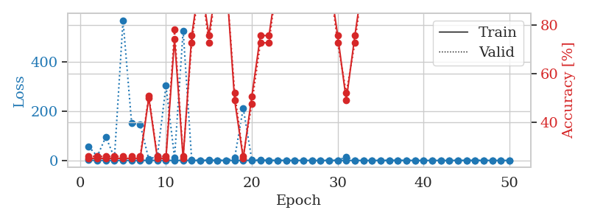
train_loss | valid_loss | train_accuracy | valid_accuracy | dur | train_misclass | valid_misclass
0.98518215833 | 56.069945791 | 0.2527173913 | 0.26086956522 | 1.1513433456 | 25.27173913 | 26.086956522
0.51752322783 | 17.004957697 | 0.2527173913 | 0.26086956522 | 1.1464314461 | 25.27173913 | 26.086956522
0.41737898925 | 95.793432816 | 0.2527173913 | 0.26086956522 | 1.1443977356 | 25.27173913 | 26.086956522
0.30224973903 | 10.464329098 | 0.2527173913 | 0.26086956522 | 1.1454865932 | 25.27173913 | 26.086956522
0.29539364916 | 569.40458878 | 0.2527173913 | 0.26086956522 | 1.1457543373 | 25.27173913 | 26.086956522
0.30315453421 | 151.28424271 | 0.2527173913 | 0.26086956522 | 1.1459655762 | 25.27173913 | 26.086956522
0.27519581775 | 145.58153965 | 0.2527173913 | 0.26086956522 | 1.1456263065 | 25.27173913 | 26.086956522
0.12764552398 | 5.0332917856 | 0.5027173913 | 0.51086956522 | 1.1472499371 | 50.27173913 | 51.086956522
0.26573893999 | 16.74017305 | 0.2527173913 | 0.26086956522 | 1.146725893 | 25.27173913 | 26.086956522
0.19047498363 | 303.17249862 | 0.2527173913 | 0.26086956522 | 1.1466255188 | 25.27173913 | 26.086956522
0.14149922163 | 11.199969789 | 0.74456521739 | 0.78260869565 | 1.1472663879 | 74.456521739 | 78.260869565
0.21684572054 | 527.33409185 | 0.2527173913 | 0.26086956522 | 1.1473145485 | 25.27173913 | 26.086956522
0.15829424552 | 0.8522287063 | 0.75815217391 | 0.72826086957 | 1.1470854282 | 75.815217391 | 72.826086957
0.040766229661 | 0.076015560847 | 1 | 1 | 1.146538496 | 100 | 100
0.11957598031 | 0.71664269204 | 0.75815217391 | 0.72826086957 | 1.1462845802 | 75.815217391 | 72.826086957
0.27346031411 | 0.17203063809 | 1 | 1 | 1.1453990936 | 100 | 100
0.11381041747 | 0.19515566398 | 1 | 1 | 1.1464333534 | 100 | 100
0.068307884797 | 10.050744886 | 0.49184782609 | 0.52173913043 | 1.1456108093 | 49.184782609 | 52.173913043
0.25570144569 | 212.68291374 | 0.2527173913 | 0.26086956522 | 1.1466474533 | 25.27173913 | 26.086956522
0.24812645193 | 1.6127701324 | 0.50815217391 | 0.47826086957 | 1.1463005543 | 50.815217391 | 47.826086957
0.14336327848 | 0.78172884298 | 0.75815217391 | 0.72826086957 | 1.1462731361 | 75.815217391 | 72.826086957
0.1207724112 | 0.53028846305 | 0.75815217391 | 0.72826086957 | 1.1472251415 | 75.815217391 | 72.826086957
0.047797238161 | 0.0052543238372 | 1 | 1 | 1.1470661163 | 100 | 100
0.25079989221 | 0.048264354467 | 1 | 1 | 1.1474778652 | 100 | 100
0.078136575337 | 0.049110276706 | 1 | 1 | 1.1482522488 | 100 | 100
0.038481217748 | 0.041174412017 | 1 | 1 | 1.1477127075 | 100 | 100
0.12904242065 | 0.026480380932 | 1 | 1 | 1.1476666927 | 100 | 100
0.044179795102 | 0.13338461615 | 1 | 1 | 1.1478438377 | 100 | 100
0.053905864813 | 0.057264345334 | 1 | 1 | 1.147932291 | 100 | 100
0.035592818228 | 0.44219215409 | 0.75815217391 | 0.72826086957 | 1.1484365463 | 75.815217391 | 72.826086957
0.18884899755 | 14.502067732 | 0.49184782609 | 0.52173913043 | 1.1478354931 | 49.184782609 | 52.173913043
0.046443690495 | 0.3107530222 | 0.75815217391 | 0.72826086957 | 1.1478235722 | 75.815217391 | 72.826086957
0.019367036875 | 0.0043667904304 | 1 | 1 | 1.1479380131 | 100 | 100
0.020142232468 | 0.0021391580509 | 1 | 1 | 1.1486108303 | 100 | 100
0.020603548983 | 0.0091252469903 | 1 | 1 | 1.148806572 | 100 | 100
0.10640086326 | 0.0047016281675 | 1 | 1 | 1.1475572586 | 100 | 100
0.20680315659 | 0.087923122489 | 1 | 1 | 1.147939682 | 100 | 100
0.053115263303 | 0.0025665298529 | 1 | 1 | 1.1470999718 | 100 | 100
0.019817524023 | 0.0013224076399 | 1 | 1 | 1.1484544277 | 100 | 100
0.0080586174786 | 0.0012630097436 | 1 | 1 | 1.1488015652 | 100 | 100
0.074182641414 | 0.0013014776278 | 1 | 1 | 1.1485328674 | 100 | 100
0.0097471603759 | 0.0012505820436 | 1 | 1 | 1.1483926773 | 100 | 100
0.039981727417 | 0.0013325162809 | 1 | 1 | 1.148734808 | 100 | 100
0.030718469658 | 0.0019301942894 | 1 | 1 | 1.1479818821 | 100 | 100
0.030423382555 | 0.0012889925401 | 1 | 1 | 1.1500275135 | 100 | 100
0.07231522431 | 0.0012732319402 | 1 | 1 | 1.1472804546 | 100 | 100
0.10786927129 | 0.0014019588656 | 1 | 1 | 1.1474454403 | 100 | 100
0.028522133751 | 0.0013648562548 | 1 | 1 | 1.1485054493 | 100 | 100
0.080261662344 | 0.0012194274408 | 1 | 1 | 1.1472280025 | 100 | 100
0.056324064053 | 0.001271533137 | 1 | 1 | 1.1483273506 | 100 | 100

Best Val accuracy is 1.0 and Best test accuracy is 1.0

Sheet5
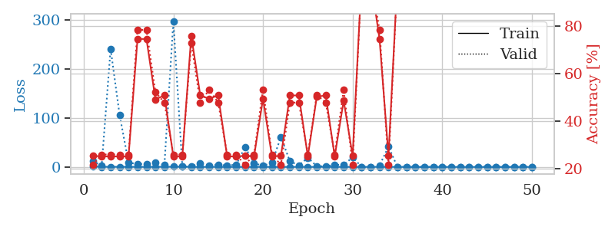
train_loss | valid_loss | train_accuracy | valid_accuracy | dur | train_misclass | valid_misclass
0.90668814338 | 11.505847267 | 0.25543478261 | 0.21739130435 | 1.1479463577 | 25.543478261 | 21.739130435
0.3527761944 | 2.8787261403 | 0.2527173913 | 0.26086956522 | 1.1471631527 | 25.27173913 | 26.086956522
0.16888936933 | 240.732942 | 0.2527173913 | 0.26086956522 | 1.1476228237 | 25.27173913 | 26.086956522
0.30270267582 | 106.39505502 | 0.2527173913 | 0.26086956522 | 1.1465482712 | 25.27173913 | 26.086956522
0.26739427609 | 8.7979624582 | 0.2527173913 | 0.26086956522 | 1.1466550827 | 25.27173913 | 26.086956522
0.14798616383 | 5.8640906085 | 0.74456521739 | 0.78260869565 | 1.1459507942 | 74.456521739 | 78.260869565
0.07825803702 | 6.2692540003 | 0.74456521739 | 0.78260869565 | 1.1477203369 | 74.456521739 | 78.260869565
0.33786347425 | 8.9765625415 | 0.49184782609 | 0.52173913043 | 1.145304203 | 49.184782609 | 52.173913043
0.14513453155 | 3.7121937171 | 0.50815217391 | 0.47826086957 | 1.1474323273 | 50.815217391 | 47.826086957
0.41823963868 | 297.51385233 | 0.2527173913 | 0.26086956522 | 1.1466038227 | 25.27173913 | 26.086956522
0.50247127876 | 1.0646404494 | 0.2527173913 | 0.26086956522 | 1.1465845108 | 25.27173913 | 26.086956522
0.0588492067 | 0.93207260059 | 0.75815217391 | 0.72826086957 | 1.1462407112 | 75.815217391 | 72.826086957
0.059744625393 | 7.5282724422 | 0.50815217391 | 0.47826086957 | 1.1460838318 | 50.815217391 | 47.826086957
0.14972088318 | 3.0952604543 | 0.49456521739 | 0.53260869565 | 1.1465964317 | 49.456521739 | 53.260869565
0.044778959056 | 4.1717225572 | 0.50815217391 | 0.47826086957 | 1.1475296021 | 50.815217391 | 47.826086957
0.075301594121 | 3.0839529141 | 0.2527173913 | 0.26086956522 | 1.1478738785 | 25.27173913 | 26.086956522
0.017189129266 | 4.493887072 | 0.2527173913 | 0.26086956522 | 1.1472878456 | 25.27173913 | 26.086956522
0.042438618813 | 40.416383992 | 0.25543478261 | 0.21739130435 | 1.1478788853 | 25.543478261 | 21.739130435
0.043705703114 | 7.6617735365 | 0.2527173913 | 0.26086956522 | 1.1482822895 | 25.27173913 | 26.086956522
0.12349448679 | 2.3609078863 | 0.49456521739 | 0.53260869565 | 1.1485888958 | 49.456521739 | 53.260869565
0.09647774752 | 8.6664051595 | 0.2527173913 | 0.26086956522 | 1.1491365433 | 25.27173913 | 26.086956522
0.042272555956 | 61.134333735 | 0.25543478261 | 0.21739130435 | 1.1478765011 | 25.543478261 | 21.739130435
0.047230878774 | 11.480423679 | 0.50815217391 | 0.47826086957 | 1.1483016014 | 50.815217391 | 47.826086957
0.1198219353 | 3.3386769813 | 0.50815217391 | 0.47826086957 | 1.147865057 | 50.815217391 | 47.826086957
0.076461736556 | 18.773372816 | 0.2527173913 | 0.26086956522 | 1.1486852169 | 25.27173913 | 26.086956522
0.043728781702 | 1.5677629087 | 0.5027173913 | 0.51086956522 | 1.1486299038 | 50.27173913 | 51.086956522
0.27594332616 | 1.1945032244 | 0.50815217391 | 0.47826086957 | 1.1494624615 | 50.815217391 | 47.826086957
0.086275191188 | 4.4759122185 | 0.2527173913 | 0.26086956522 | 1.1491911411 | 25.27173913 | 26.086956522
0.11973571665 | 3.9051091464 | 0.48641304348 | 0.53260869565 | 1.1492450237 | 48.641304348 | 53.260869565
0.015412911687 | 19.90810187 | 0.25543478261 | 0.21739130435 | 1.1483323574 | 25.543478261 | 21.739130435
0.015869535202 | 0.0082656136188 | 1 | 1 | 1.1496953964 | 100 | 100
0.13751106814 | 0.25379593735 | 1 | 1 | 1.1492652893 | 100 | 100
0.12561138614 | 3.2052940597 | 0.74456521739 | 0.78260869565 | 1.1494188309 | 74.456521739 | 78.260869565
0.11681989629 | 41.287080184 | 0.25543478261 | 0.21739130435 | 1.1485702991 | 25.543478261 | 21.739130435
0.13366323699 | 0.0011330788864 | 1 | 1 | 1.148260355 | 100 | 100
0.014230245345 | 0.014519226697 | 1 | 1 | 1.148168087 | 100 | 100
0.018796203347 | 0.0012688447478 | 1 | 1 | 1.1488423347 | 100 | 100
0.0099029631136 | 0.0010843395013 | 1 | 1 | 1.1475307941 | 100 | 100
0.0040542890303 | 0.0008306443342 | 1 | 1 | 1.1486735344 | 100 | 100
0.010940612943 | 0.0007119516756 | 1 | 1 | 1.1488146782 | 100 | 100
0.039884429913 | 0.00078239838805 | 1 | 1 | 1.1484363079 | 100 | 100
0.010638802098 | 0.0034867611855 | 1 | 1 | 1.1487848759 | 100 | 100
0.017271078926 | 0.00097980122487 | 1 | 1 | 1.1495258808 | 100 | 100
0.054514549444 | 0.00141650331 | 1 | 1 | 1.1490364075 | 100 | 100
0.022742352672 | 0.00083099963376 | 1 | 1 | 1.1488304138 | 100 | 100
0.016177507742 | 0.0010129367862 | 1 | 1 | 1.1490547657 | 100 | 100
0.012445431914 | 0.00073572306681 | 1 | 1 | 1.1496007442 | 100 | 100
0.076243079202 | 0.0010175754913 | 1 | 1 | 1.1494429111 | 100 | 100
0.018934931768 | 0.00064303681669 | 1 | 1 | 1.1501085758 | 100 | 100
0.0066091588056 | 0.0011734170687 | 1 | 1 | 1.149960041 | 100 | 100

Best Val accuracy is 1.0 and Best test accuracy is 1.0

Sheet6
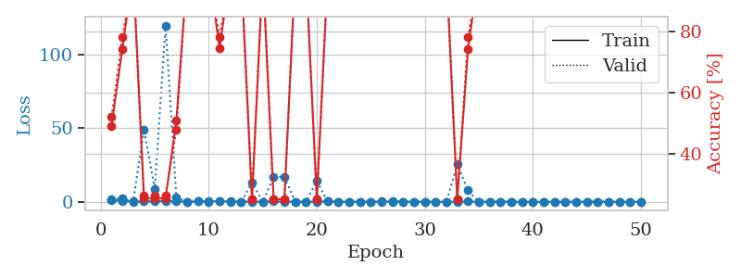
train_loss | valid_loss | train_accuracy | valid_accuracy | dur | train_misclass | valid_misclass
0.97286366769 | 1.6394990372 | 0.49184782609 | 0.52173913043 | 1.1506791115 | 49.184782609 | 52.173913043
0.37846945583 | 2.3182289652 | 0.74456521739 | 0.78260869565 | 1.1475601196 | 74.456521739 | 78.260869565
0.17270029794 | 0.05796443671 | 1 | 1 | 1.1517717838 | 100 | 100
0.22804898145 | 49.127617712 | 0.2527173913 | 0.26086956522 | 1.1478936672 | 25.27173913 | 26.086956522
0.38241143185 | 8.8688182209 | 0.2527173913 | 0.26086956522 | 1.1462769508 | 25.27173913 | 26.086956522
0.70851884726 | 119.65572623 | 0.2527173913 | 0.26086956522 | 1.1465811729 | 25.27173913 | 26.086956522
0.25006288881 | 2.7779808355 | 0.50815217391 | 0.47826086957 | 1.1473841667 | 50.815217391 | 47.826086957
0.13885857934 | 0.12632639706 | 1 | 1 | 1.1466093063 | 100 | 100
0.21544343176 | 0.15379098511 | 1 | 1 | 1.1473026276 | 100 | 100
0.3649674162 | 0.025422871437 | 1 | 1 | 1.1468110085 | 100 | 100
0.32294825768 | 0.19155247963 | 0.7472826087 | 0.78260869565 | 1.1478817463 | 74.72826087 | 78.260869565
0.20682786195 | 0.0082460367323 | 1 | 1 | 1.1469454765 | 100 | 100
0.04192905293 | 0.0064908061986 | 1 | 1 | 1.1478924751 | 100 | 100
0.12129707719 | 13.066952125 | 0.25 | 0.25 | 1.1470980644 | 25 | 25
0.061741283113 | 0.00603395087 | 1 | 1 | 1.1473977566 | 100 | 100
0.1665039341 | 17.106814675 | 0.25 | 0.25 | 1.1482522488 | 25 | 25
0.10267331543 | 16.865597061 | 0.25 | 0.25 | 1.1473484039 | 25 | 25
0.061047576165 | 0.010074744527 | 1 | 1 | 1.1471221447 | 100 | 100
0.057958823664 | 0.0053100882543 | 1 | 1 | 1.1482386589 | 100 | 100
0.079044453208 | 13.990570939 | 0.25 | 0.25 | 1.1476476192 | 25 | 25
0.21820258455 | 0.19741961036 | 0.98097826087 | 0.97826086957 | 1.148257494 | 98.097826087 | 97.826086957
0.10368231021 | 0.017383162297 | 1 | 1 | 1.1484577656 | 100 | 100
0.044411858463 | 0.0086216609925 | 1 | 1 | 1.1482141018 | 100 | 100
0.047976679781 | 0.004420078643 | 1 | 1 | 1.1485357285 | 100 | 100
0.085354973329 | 0.0014083962685 | 1 | 1 | 1.1484196186 | 100 | 100
0.16989929155 | 0.080370896212 | 1 | 1 | 1.1481161118 | 100 | 100
0.15108558454 | 0.039639578889 | 1 | 1 | 1.1493506432 | 100 | 100
0.074745879109 | 0.0025466009266 | 1 | 1 | 1.1492295265 | 100 | 100
0.02527881418 | 0.0038532383295 | 1 | 1 | 1.148655653 | 100 | 100
0.057331138706 | 0.001085623909 | 1 | 1 | 1.148537159 | 100 | 100
0.01759824651 | 0.0047536901117 | 1 | 1 | 1.1490578651 | 100 | 100
0.0038557328238 | 0.00098696114171 | 1 | 1 | 1.1494326591 | 100 | 100
0.081177231484 | 25.430396951 | 0.25 | 0.25 | 1.1494734287 | 25 | 25
0.18595691003 | 7.7013860578 | 0.74456521739 | 0.78260869565 | 1.1494956017 | 74.456521739 | 78.260869565
0.02830558908 | 0.0020022545435 | 1 | 1 | 1.1497681141 | 100 | 100
0.03164756686 | 0.0017412704132 | 1 | 1 | 1.1491084099 | 100 | 100
0.11629371497 | 0.0010757705794 | 1 | 1 | 1.1498911381 | 100 | 100
0.024283345503 | 0.0013234262992 | 1 | 1 | 1.150179863 | 100 | 100
0.0051456043046 | 0.0010163071262 | 1 | 1 | 1.1495113373 | 100 | 100
0.00583321188 | 0.0011271640213 | 1 | 1 | 1.1492660046 | 100 | 100
0.0060599349723 | 0.00090373231543 | 1 | 1 | 1.1489391327 | 100 | 100
0.0094969918288 | 0.00089708319865 | 1 | 1 | 1.1496293545 | 100 | 100
0.013809907341 | 0.00085026260627 | 1 | 1 | 1.1489036083 | 100 | 100
0.0067141653018 | 0.00093518029493 | 1 | 1 | 1.1490478516 | 100 | 100
0.0082633235016 | 0.00091636037636 | 1 | 1 | 1.1481776237 | 100 | 100
0.015380606384 | 0.00075588481875 | 1 | 1 | 1.1486041546 | 100 | 100
0.022557520215 | 0.00073982968815 | 1 | 1 | 1.150165081 | 100 | 100
0.098540802825 | 0.00078246559006 | 1 | 1 | 1.1492533684 | 100 | 100
0.0044121630781 | 0.00080788971947 | 1 | 1 | 1.1494109631 | 100 | 100
0.024439496628 | 0.00081787964218 | 1 | 1 | 1.1493144035 | 100 | 100

Best Val accuracy is 1.0 and Best test accuracy is 1.0

Sheet7
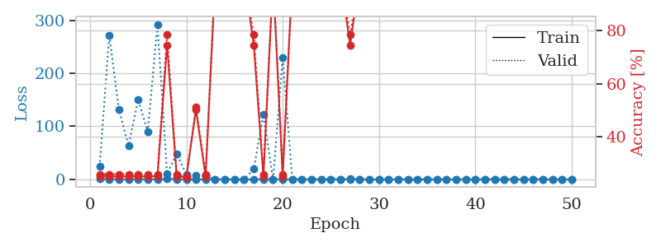
train_loss | valid_loss | train_accuracy | valid_accuracy | dur | train_misclass | valid_misclass
0.94336946373 | 24.464548443 | 0.2527173913 | 0.26086956522 | 1.1521077156 | 25.27173913 | 26.086956522
0.31587664848 | 271.60642408 | 0.2527173913 | 0.26086956522 | 1.1486825943 | 25.27173913 | 26.086956522
0.46676101438 | 132.11648924 | 0.2527173913 | 0.26086956522 | 1.1456053257 | 25.27173913 | 26.086956522
0.17525649306 | 63.943653936 | 0.2527173913 | 0.26086956522 | 1.1473722458 | 25.27173913 | 26.086956522
0.41392682886 | 149.83226478 | 0.2527173913 | 0.26086956522 | 1.1461992264 | 25.27173913 | 26.086956522
0.3936817693 | 90.097324205 | 0.2527173913 | 0.26086956522 | 1.1473743916 | 25.27173913 | 26.086956522
0.23545639176 | 291.73300569 | 0.2527173913 | 0.26086956522 | 1.1487390995 | 25.27173913 | 26.086956522
0.74367273145 | 10.197459677 | 0.74456521739 | 0.78260869565 | 1.1478769779 | 74.456521739 | 78.260869565
0.23072836985 | 48.217010996 | 0.2527173913 | 0.26086956522 | 1.1487817764 | 25.27173913 | 26.086956522
0.13304384749 | 9.6778010493 | 0.25 | 0.25 | 1.1467993259 | 25 | 25
0.10610395407 | 8.2440129985 | 0.5027173913 | 0.51086956522 | 1.1478495598 | 50.27173913 | 51.086956522
0.025693856321 | 7.4884739751 | 0.2527173913 | 0.26086956522 | 1.1478683949 | 25.27173913 | 26.086956522
0.011931696745 | 0.003346122032 | 1 | 1 | 1.1475234032 | 100 | 100
0.0090488593357 | 0.0065263235415 | 1 | 1 | 1.1481192112 | 100 | 100
0.0034641742848 | 0.0028093049667 | 1 | 1 | 1.1492059231 | 100 | 100
0.0096882345691 | 0.0059967605681 | 1 | 1 | 1.148829937 | 100 | 100
0.097091523596 | 19.769613307 | 0.74456521739 | 0.78260869565 | 1.1490979195 | 74.456521739 | 78.260869565
0.12128012378 | 121.78965693 | 0.2527173913 | 0.26086956522 | 1.1480121613 | 25.27173913 | 26.086956522
0.27401325331 | 0.010248906101 | 1 | 1 | 1.1474955082 | 100 | 100
0.31199427708 | 229.17407956 | 0.2527173913 | 0.26086956522 | 1.1476762295 | 25.27173913 | 26.086956522
0.160598449 | 0.047132473439 | 1 | 1 | 1.1477060318 | 100 | 100
0.024988819936 | 0.0058825627455 | 1 | 1 | 1.1479532719 | 100 | 100
0.026446808858 | 0.0057189269801 | 1 | 1 | 1.1486680508 | 100 | 100
0.031822193566 | 0.0014450433208 | 1 | 1 | 1.1484525204 | 100 | 100
0.048626321444 | 0.0232947489 | 1 | 1 | 1.1490418911 | 100 | 100
0.019012574501 | 0.010567286639 | 1 | 1 | 1.1483821869 | 100 | 100
0.18716791975 | 1.2381732775 | 0.74456521739 | 0.78260869565 | 1.1506996155 | 74.456521739 | 78.260869565
0.02555705281 | 0.0051617873529 | 1 | 1 | 1.1490356922 | 100 | 100
0.0076127753735 | 0.0012643512025 | 1 | 1 | 1.1489756107 | 100 | 100
0.016886833782 | 0.05566401067 | 1 | 1 | 1.1489169598 | 100 | 100
0.0032236751387 | 0.0010026955304 | 1 | 1 | 1.1490900517 | 100 | 100
0.0022094388639 | 0.00072246109915 | 1 | 1 | 1.1489596367 | 100 | 100
0.039415558481 | 0.00081509816632 | 1 | 1 | 1.1490261555 | 100 | 100
0.016105940161 | 0.00092700888332 | 1 | 1 | 1.1488556862 | 100 | 100
0.0039836557395 | 0.0010414691515 | 1 | 1 | 1.1492407322 | 100 | 100
0.016915305963 | 0.031136307541 | 1 | 1 | 1.1491100788 | 100 | 100
0.00297524613 | 0.0014966731415 | 1 | 1 | 1.1490967274 | 100 | 100
0.0040174717888 | 0.00072163459845 | 1 | 1 | 1.1491315365 | 100 | 100
0.0026035919588 | 0.00078265618219 | 1 | 1 | 1.149769783 | 100 | 100
0.0024189808426 | 0.00081413679847 | 1 | 1 | 1.1493415833 | 100 | 100
0.10726936201 | 0.00080115289134 | 1 | 1 | 1.1496107578 | 100 | 100
0.0046622463092 | 0.00092091184342 | 1 | 1 | 1.1497786045 | 100 | 100
0.013617809163 | 0.00071553389906 | 1 | 1 | 1.14889884 | 100 | 100
0.021883478117 | 0.0055003071244 | 1 | 1 | 1.1493794918 | 100 | 100
0.010723432164 | 0.00094147414506 | 1 | 1 | 1.150077343 | 100 | 100
0.11635911034 | 0.0005415152523 | 1 | 1 | 1.1494019032 | 100 | 100
0.0065942106353 | 0.000860384959 | 1 | 1 | 1.1499388218 | 100 | 100
0.09519121765 | 0.0019976828733 | 1 | 1 | 1.150056839 | 100 | 100
0.0077003789306 | 0.00075256432477 | 1 | 1 | 1.1504251957 | 100 | 100
0.0031627482385 | 0.0006438281954 | 1 | 1 | 1.1494235992 | 100 | 100

Best Val accuracy is 1.0 and Best test accuracy is 1.0

Sheet8
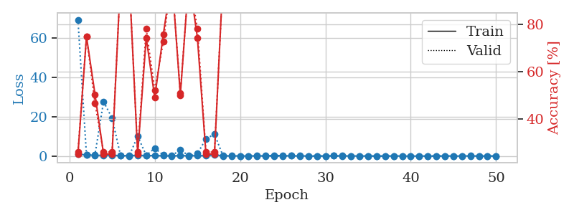
train_loss | valid_loss | train_accuracy | valid_accuracy | dur | train_misclass | valid_misclass
0.94628647099 | 69.137455318 | 0.2527173913 | 0.26086956522 | 1.1503870487 | 25.27173913 | 26.086956522
0.61298014677 | 0.47948210395 | 0.75 | 0.75 | 1.1459183693 | 75 | 75
0.36614644333 | 0.81234085819 | 0.50543478261 | 0.46739130435 | 1.1478967667 | 50.543478261 | 46.739130435
0.33835621178 | 27.621215074 | 0.2527173913 | 0.26086956522 | 1.1458897591 | 25.27173913 | 26.086956522
0.38629822595 | 19.244734806 | 0.2527173913 | 0.26086956522 | 1.1462943554 | 25.27173913 | 26.086956522
0.22481000278 | 0.15560148138 | 1 | 1 | 1.1467862129 | 100 | 100
0.1865606717 | 0.034009125084 | 1 | 1 | 1.1484377384 | 100 | 100
0.40101794113 | 10.042499667 | 0.2527173913 | 0.26086956522 | 1.1479926109 | 25.27173913 | 26.086956522
0.22457646902 | 0.36716271095 | 0.74456521739 | 0.78260869565 | 1.1471354961 | 74.456521739 | 78.260869565
0.29868243262 | 3.9471080718 | 0.49184782609 | 0.52173913043 | 1.1472284794 | 49.184782609 | 52.173913043
0.10695410581 | 0.49276011275 | 0.75815217391 | 0.72826086957 | 1.1474003792 | 75.815217391 | 72.826086957
0.043270220494 | 0.1261430386 | 1 | 1 | 1.1473395824 | 100 | 100
0.26983683589 | 3.2153310465 | 0.5027173913 | 0.51086956522 | 1.1472089291 | 50.27173913 | 51.086956522
0.11471937392 | 0.071946585632 | 1 | 1 | 1.1471307278 | 100 | 100
0.24829596678 | 1.2294388206 | 0.74456521739 | 0.78260869565 | 1.147105217 | 74.456521739 | 78.260869565
0.14330451693 | 8.6889673316 | 0.2527173913 | 0.26086956522 | 1.1471221447 | 25.27173913 | 26.086956522
0.56723239797 | 11.134111446 | 0.2527173913 | 0.26086956522 | 1.1469192505 | 25.27173913 | 26.086956522
0.13196454302 | 0.086029081889 | 1 | 1 | 1.1462340355 | 100 | 100
0.1030601915 | 0.030565388096 | 1 | 1 | 1.1475405693 | 100 | 100
0.076796370235 | 0.015632823596 | 1 | 1 | 1.1473052502 | 100 | 100
0.061140485857 | 0.013277946283 | 1 | 1 | 1.1475400925 | 100 | 100
0.11259483146 | 0.01750621645 | 1 | 1 | 1.1478612423 | 100 | 100
0.11119214966 | 0.0039022268586 | 1 | 1 | 1.1475806236 | 100 | 100
0.33902673248 | 0.011124563444 | 1 | 1 | 1.1482591629 | 100 | 100
0.17984632006 | 0.016546938325 | 1 | 1 | 1.1475279331 | 100 | 100
0.095444351597 | 0.15746348772 | 1 | 1 | 1.1486344337 | 100 | 100
0.089723863011 | 0.01148798507 | 1 | 1 | 1.1480221748 | 100 | 100
0.033249759267 | 0.0058572467255 | 1 | 1 | 1.1477813721 | 100 | 100
0.024435416684 | 0.0034915516153 | 1 | 1 | 1.1481688023 | 100 | 100
0.085358222157 | 0.0063931235396 | 1 | 1 | 1.1483926773 | 100 | 100
0.099573176182 | 0.14944129081 | 1 | 1 | 1.1484701633 | 100 | 100
0.10213617269 | 0.0040448011183 | 1 | 1 | 1.1485769749 | 100 | 100
0.061066703466 | 0.010384428801 | 1 | 1 | 1.1486446857 | 100 | 100
0.046907914711 | 0.019540896477 | 1 | 1 | 1.1492497921 | 100 | 100
0.037543755774 | 0.0050040647064 | 1 | 1 | 1.1491715908 | 100 | 100
0.043288400113 | 0.0095003722236 | 1 | 1 | 1.1487724781 | 100 | 100
0.0087761365373 | 0.0030694002306 | 1 | 1 | 1.1492526531 | 100 | 100
0.087264111397 | 0.0036202611847 | 1 | 1 | 1.1482198238 | 100 | 100
0.013900137238 | 0.0025136112337 | 1 | 1 | 1.150352478 | 100 | 100
0.014518130535 | 0.0025144147423 | 1 | 1 | 1.1480190754 | 100 | 100
0.015777497957 | 0.0024647837019 | 1 | 1 | 1.149097681 | 100 | 100
0.015585704924 | 0.0028497984876 | 1 | 1 | 1.1488564014 | 100 | 100
0.037207286491 | 0.0035702497192 | 1 | 1 | 1.1502776146 | 100 | 100
0.064965285771 | 0.0018016842153 | 1 | 1 | 1.1492979527 | 100 | 100
0.040070830991 | 0.0018645530141 | 1 | 1 | 1.1502239704 | 100 | 100
0.015038981219 | 0.0023969210097 | 1 | 1 | 1.1506006718 | 100 | 100
0.096530449384 | 0.0021360377963 | 1 | 1 | 1.1499912739 | 100 | 100
0.013618648067 | 0.0023098414885 | 1 | 1 | 1.150125742 | 100 | 100
0.016075720859 | 0.0023459318479 | 1 | 1 | 1.1511418819 | 100 | 100
0.072196916464 | 0.002100962528 | 1 | 1 | 1.1497752666 | 100 | 100

Best Val accuracy is 1.0 and Best test accuracy is 1.0

Sheet9
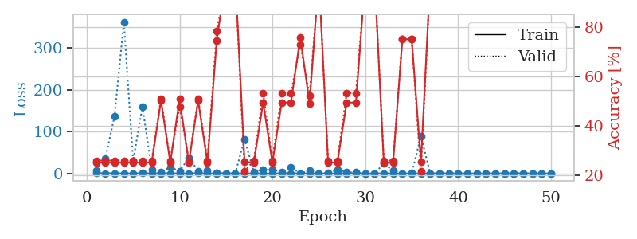
train_loss | valid_loss | train_accuracy | valid_accuracy | dur | train_misclass | valid_misclass
0.90607396286 | 7.6055538965 | 0.2527173913 | 0.26086956522 | 1.1537802219 | 25.27173913 | 26.086956522
0.41959392798 | 35.623917124 | 0.2527173913 | 0.26086956522 | 1.1488547325 | 25.27173913 | 26.086956522
0.29208631619 | 137.0074025 | 0.2527173913 | 0.26086956522 | 1.1473064423 | 25.27173913 | 26.086956522
0.14360273994 | 361.55081442 | 0.2527173913 | 0.26086956522 | 1.1482982635 | 25.27173913 | 26.086956522
0.10729645832 | 29.752420923 | 0.2527173913 | 0.26086956522 | 1.147932291 | 25.27173913 | 26.086956522
0.54662627573 | 159.51534371 | 0.2527173913 | 0.26086956522 | 1.1498336792 | 25.27173913 | 26.086956522
0.17741133232 | 9.4076703942 | 0.2527173913 | 0.26086956522 | 1.1491868496 | 25.27173913 | 26.086956522
0.40783186941 | 3.9699880766 | 0.5027173913 | 0.51086956522 | 1.1495373249 | 50.27173913 | 51.086956522
0.32392927263 | 14.823436032 | 0.2527173913 | 0.26086956522 | 1.1500284672 | 25.27173913 | 26.086956522
0.1386665156 | 5.7349462716 | 0.50815217391 | 0.47826086957 | 1.1487438679 | 50.815217391 | 47.826086957
0.10367240807 | 37.1667235 | 0.2527173913 | 0.26086956522 | 1.1493182182 | 25.27173913 | 26.086956522
0.46687032201 | 6.1378120132 | 0.5027173913 | 0.51086956522 | 1.1483373642 | 50.27173913 | 51.086956522
0.18091937766 | 6.2935983616 | 0.2527173913 | 0.26086956522 | 1.1480937004 | 25.27173913 | 26.086956522
0.088579216891 | 1.0748493697 | 0.74456521739 | 0.78260869565 | 1.1483674049 | 74.456521739 | 78.260869565
0.094883058878 | 0.2356621623 | 1 | 1 | 1.1499841213 | 100 | 100
0.039170838103 | 0.0052803100451 | 1 | 1 | 1.1502995491 | 100 | 100
0.020792085708 | 81.794641909 | 0.25543478261 | 0.21739130435 | 1.1486682892 | 25.543478261 | 21.739130435
0.032832769044 | 3.6276923574 | 0.2527173913 | 0.26086956522 | 1.1495652199 | 25.27173913 | 26.086956522
0.069507920036 | 9.2301855087 | 0.49456521739 | 0.53260869565 | 1.1489255428 | 49.456521739 | 53.260869565
0.0204523711 | 9.141647795 | 0.2527173913 | 0.26086956522 | 1.1491818428 | 25.27173913 | 26.086956522
0.16002124836 | 3.5265509253 | 0.49456521739 | 0.53260869565 | 1.1495304108 | 49.456521739 | 53.260869565
0.09304871606 | 14.682175719 | 0.49456521739 | 0.53260869565 | 1.1496136189 | 49.456521739 | 53.260869565
0.049309205527 | 0.25123108276 | 0.75815217391 | 0.72826086957 | 1.1495642662 | 75.815217391 | 72.826086957
0.082822094302 | 7.0468608815 | 0.49184782609 | 0.52173913043 | 1.1496658325 | 49.184782609 | 52.173913043
0.052354688916 | 0.1558471348 | 1 | 1 | 1.1497290134 | 100 | 100
0.068968693575 | 1.9641521703 | 0.2527173913 | 0.26086956522 | 1.1482350826 | 25.27173913 | 26.086956522
0.063759416418 | 8.7932507473 | 0.2527173913 | 0.26086956522 | 1.1487028599 | 25.27173913 | 26.086956522
0.022163725557 | 2.4788490586 | 0.49456521739 | 0.53260869565 | 1.149638176 | 49.456521739 | 53.260869565
0.0062212545561 | 2.5073085039 | 0.49456521739 | 0.53260869565 | 1.1498420238 | 49.456521739 | 53.260869565
0.0039543681778 | 0.00047097320835 | 1 | 1 | 1.1493451595 | 100 | 100
0.0068848394667 | 0.025720477428 | 1 | 1 | 1.1497313976 | 100 | 100
0.17067167239 | 23.620188755 | 0.2527173913 | 0.26086956522 | 1.1493341923 | 25.27173913 | 26.086956522
0.056847351866 | 6.3833609664 | 0.2527173913 | 0.26086956522 | 1.1493124962 | 25.27173913 | 26.086956522
0.022892629596 | 0.41693863921 | 0.75 | 0.75 | 1.1498219967 | 75 | 75
0.03590999531 | 0.4697294002 | 0.75 | 0.75 | 1.1501612663 | 75 | 75
0.034076445022 | 88.721919516 | 0.25543478261 | 0.21739130435 | 1.1501057148 | 25.543478261 | 21.739130435
0.0060851013202 | 0.0034905561125 | 1 | 1 | 1.1504044533 | 100 | 100
0.013748945524 | 0.0010886311445 | 1 | 1 | 1.1503472328 | 100 | 100
0.0060519021354 | 0.00079518954178 | 1 | 1 | 1.1494216919 | 100 | 100
0.0072716904561 | 0.0010060878881 | 1 | 1 | 1.1502482891 | 100 | 100
0.0049886720169 | 0.00094739069565 | 1 | 1 | 1.149980545 | 100 | 100
0.0067391197966 | 0.00079130132065 | 1 | 1 | 1.1502254009 | 100 | 100
0.012340648629 | 0.00070136120674 | 1 | 1 | 1.1505229473 | 100 | 100
0.045403690325 | 0.0017429833027 | 1 | 1 | 1.150415659 | 100 | 100
0.022722237873 | 0.0008302107833 | 1 | 1 | 1.1507644653 | 100 | 100
0.0026872055428 | 0.00098848199654 | 1 | 1 | 1.1504940987 | 100 | 100
0.053051146879 | 0.0006249935351 | 1 | 1 | 1.1509408951 | 100 | 100
0.0044889686169 | 0.0008711422991 | 1 | 1 | 1.1506197453 | 100 | 100
0.014388764798 | 0.00098477756989 | 1 | 1 | 1.1504869461 | 100 | 100
0.010995686975 | 0.00096254022893 | 1 | 1 | 1.1499581337 | 100 | 100

Best Val accuracy is 1.0 and Best test accuracy is 1.0

Sheet10
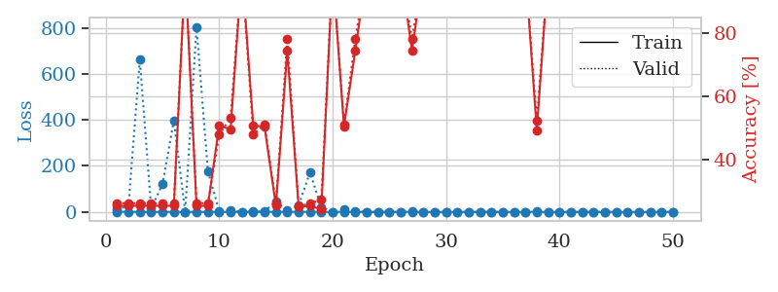
train_loss | valid_loss | train_accuracy | valid_accuracy | dur | train_misclass | valid_misclass
0.98004036364 | 9.9128920099 | 0.2527173913 | 0.26086956522 | 1.1518294811 | 25.27173913 | 26.086956522
0.52918863361 | 27.850692749 | 0.2527173913 | 0.26086956522 | 1.1485061646 | 25.27173913 | 26.086956522
0.3395994351 | 661.65503726 | 0.2527173913 | 0.26086956522 | 1.1483318806 | 25.27173913 | 26.086956522
0.150132507 | 15.084194681 | 0.2527173913 | 0.26086956522 | 1.1477437019 | 25.27173913 | 26.086956522
0.26122686567 | 121.01325524 | 0.2527173913 | 0.26086956522 | 1.148850441 | 25.27173913 | 26.086956522
0.10662474427 | 398.22601982 | 0.2527173913 | 0.26086956522 | 1.1489284039 | 25.27173913 | 26.086956522
0.082237858366 | 0.043962056384 | 1 | 1 | 1.1496913433 | 100 | 100
0.11534556854 | 804.39135742 | 0.2527173913 | 0.26086956522 | 1.1494400501 | 25.27173913 | 26.086956522
0.27667909593 | 177.76069508 | 0.2527173913 | 0.26086956522 | 1.1485042572 | 25.27173913 | 26.086956522
0.2132350798 | 3.517024714 | 0.50815217391 | 0.47826086957 | 1.1490609646 | 50.815217391 | 47.826086957
0.12024682999 | 7.9171491913 | 0.49456521739 | 0.53260869565 | 1.1483738422 | 49.456521739 | 53.260869565
0.14745184952 | 0.0097568239612 | 1 | 1 | 1.1479957104 | 100 | 100
0.20053604958 | 1.2322910402 | 0.50815217391 | 0.47826086957 | 1.1493287086 | 50.815217391 | 47.826086957
0.37710051493 | 2.9263897875 | 0.5027173913 | 0.51086956522 | 1.1488127708 | 50.27173913 | 51.086956522
0.35380416376 | 44.6861831 | 0.2527173913 | 0.26086956522 | 1.1492931843 | 25.27173913 | 26.086956522
0.23895733974 | 7.5301914008 | 0.74456521739 | 0.78260869565 | 1.1490972042 | 74.456521739 | 78.260869565
0.53408865025 | 28.103648227 | 0.25 | 0.25 | 1.149471283 | 25 | 25
0.42401161393 | 171.92588408 | 0.2527173913 | 0.26086956522 | 1.1492459774 | 25.27173913 | 26.086956522
0.18983713511 | 20.552401418 | 0.24184782609 | 0.27173913043 | 1.1498272419 | 24.184782609 | 27.173913043
0.10914045872 | 0.092418325012 | 1 | 1 | 1.1491258144 | 100 | 100
0.18959547008 | 11.047970233 | 0.50543478261 | 0.51086956522 | 1.1493904591 | 50.543478261 | 51.086956522
0.17659474268 | 4.8306806813 | 0.74456521739 | 0.78260869565 | 1.149456501 | 74.456521739 | 78.260869565
0.03498623588 | 0.009468127366 | 1 | 1 | 1.1491429806 | 100 | 100
0.014797058609 | 0.0023674636512 | 1 | 1 | 1.1489157677 | 100 | 100
0.033494745098 | 0.0016708466396 | 1 | 1 | 1.1500070095 | 100 | 100
0.048618916468 | 0.014134406031 | 1 | 1 | 1.1500015259 | 100 | 100
0.0544383283 | 1.3831437204 | 0.74456521739 | 0.78260869565 | 1.1497366428 | 74.456521739 | 78.260869565
0.0071937255372 | 0.0012631030075 | 1 | 1 | 1.1499164104 | 100 | 100
0.049235447231 | 0.014274217836 | 1 | 1 | 1.1499180794 | 100 | 100
0.02366476009 | 0.0013007095296 | 1 | 1 | 1.1494612694 | 100 | 100
0.019835550272 | 0.0011555817454 | 1 | 1 | 1.1510229111 | 100 | 100
0.037269567195 | 0.00053947612026 | 1 | 1 | 1.1494874954 | 100 | 100
0.011207976041 | 0.0006310928122 | 1 | 1 | 1.149657011 | 100 | 100
0.14362426172 | 0.0054295600554 | 1 | 1 | 1.1504695415 | 100 | 100
0.18729131434 | 0.00057208242715 | 1 | 1 | 1.1508228779 | 100 | 100
0.008259539767 | 0.0043202062927 | 1 | 1 | 1.1504113674 | 100 | 100
0.16258096036 | 0.012858309378 | 1 | 1 | 1.1530854702 | 100 | 100
0.12250792807 | 1.1548488503 | 0.49184782609 | 0.52173913043 | 1.1503770351 | 49.184782609 | 52.173913043
0.055745314007 | 0.18141422453 | 1 | 1 | 1.1508653164 | 100 | 100
0.022453681184 | 0.0021594806635 | 1 | 1 | 1.1511032581 | 100 | 100
0.030259609425 | 0.00065992728291 | 1 | 1 | 1.1502420902 | 100 | 100
0.13001497962 | 0.00078259715962 | 1 | 1 | 1.150100708 | 100 | 100
0.0094206140974 | 0.00077606623476 | 1 | 1 | 1.1507844925 | 100 | 100
0.017964063248 | 0.0008327840301 | 1 | 1 | 1.1504640579 | 100 | 100
0.014081500812 | 0.00083084413832 | 1 | 1 | 1.150765419 | 100 | 100
0.021969647741 | 0.0010481976003 | 1 | 1 | 1.1511056423 | 100 | 100
0.011482883484 | 0.00074607150822 | 1 | 1 | 1.1511414051 | 100 | 100
0.03228411864 | 0.0010712532144 | 1 | 1 | 1.1502375603 | 100 | 100
0.018516389767 | 0.00081531684998 | 1 | 1 | 1.1514179707 | 100 | 100
0.035491261806 | 0.0008151957173 | 1 | 1 | 1.1507627964 | 100 | 100

Best Val accuracy is 1.0 and Best test accuracy is 1.0

