Sheet
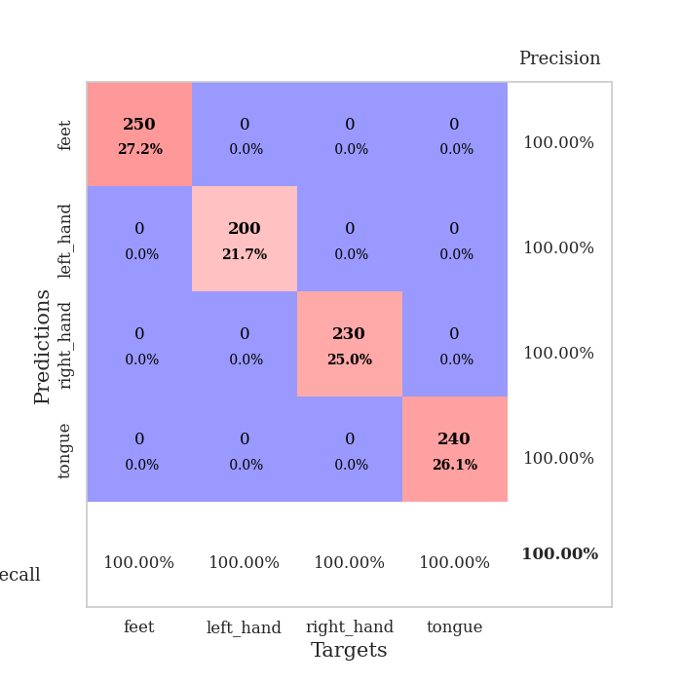
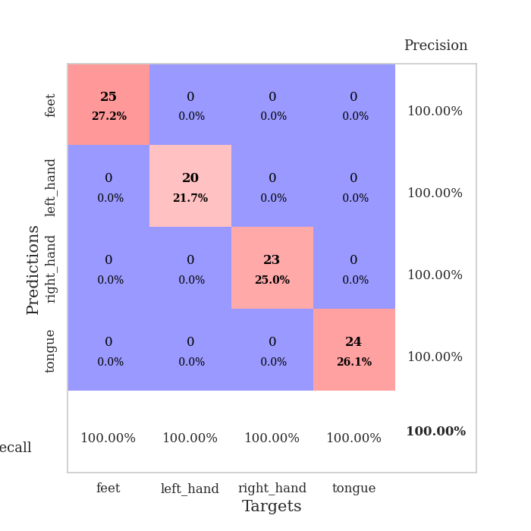
best_val_acc | best_val_los | best_test_acc
1 | 0.00083223716153 | 1
1 | 0.00051055127077 | 1
1 | 0.00061352135684 | 1
1 | 0.0015159548949 | 1
1 | 0.00084118079141 | 1
1 | 0.0018143738094 | 1
1 | 0.00097981777103 | 1
1 | 0.0031502157774 | 1
1 | 0.00065459206488 | 1
1 | 0.0013363205261 | 1

Mean,std Val accuracy is 1.0 , 0.0 and mean, std test accuracy is 1.0 , 0.0

Sheet1
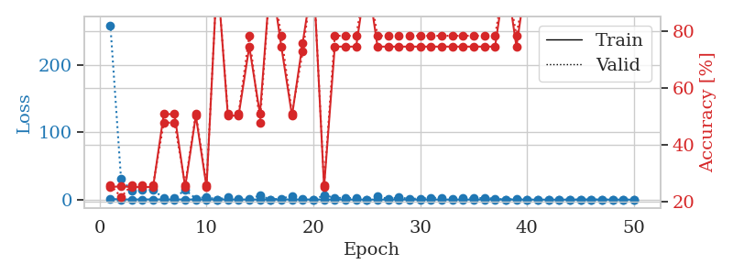
train_loss | valid_loss | train_accuracy | valid_accuracy | dur | train_misclass | valid_misclass
0.93706759681 | 259.19079324 | 0.2527173913 | 0.26086956522 | 1.1536951065 | 25.27173913 | 26.086956522
0.31976655579 | 30.315924769 | 0.25543478261 | 0.21739130435 | 1.1487431526 | 25.543478261 | 21.739130435
0.18566336807 | 13.320143534 | 0.2527173913 | 0.26086956522 | 1.1475954056 | 25.27173913 | 26.086956522
0.29188888633 | 14.682546077 | 0.2527173913 | 0.26086956522 | 1.148668766 | 25.27173913 | 26.086956522
0.29608855226 | 14.165207199 | 0.2527173913 | 0.26086956522 | 1.1476855278 | 25.27173913 | 26.086956522
0.30580399736 | 2.3716865622 | 0.50815217391 | 0.47826086957 | 1.1492526531 | 50.815217391 | 47.826086957
0.15198666781 | 2.3977143764 | 0.50815217391 | 0.47826086957 | 1.1505618095 | 50.815217391 | 47.826086957
0.25467865833 | 14.317079627 | 0.2527173913 | 0.26086956522 | 1.1476657391 | 25.27173913 | 26.086956522
0.11661117933 | 1.4542716638 | 0.5027173913 | 0.51086956522 | 1.1489584446 | 50.27173913 | 51.086956522
0.23319161162 | 3.9919287225 | 0.2527173913 | 0.26086956522 | 1.1497719288 | 25.27173913 | 26.086956522
0.087126158765 | 0.048081840996 | 1 | 1 | 1.1490564346 | 100 | 100
0.29348729107 | 3.5864721174 | 0.5027173913 | 0.51086956522 | 1.150231123 | 50.27173913 | 51.086956522
0.13266726204 | 0.82443189621 | 0.5027173913 | 0.51086956522 | 1.1487131119 | 50.27173913 | 51.086956522
0.12971830752 | 0.83440746432 | 0.74456521739 | 0.78260869565 | 1.1487560272 | 74.456521739 | 78.260869565
0.13142913813 | 6.1402699014 | 0.50815217391 | 0.47826086957 | 1.1490259171 | 50.815217391 | 47.826086957
0.068571576778 | 0.089070866613 | 1 | 1 | 1.1486873627 | 100 | 100
0.18162997812 | 1.5240648674 | 0.74456521739 | 0.78260869565 | 1.1495189667 | 74.456521739 | 78.260869565
0.28376883753 | 5.340160629 | 0.5027173913 | 0.51086956522 | 1.1486985683 | 50.27173913 | 51.086956522
0.13982293204 | 0.6309759565 | 0.75815217391 | 0.72826086957 | 1.1486463547 | 75.815217391 | 72.826086957
0.17969637645 | 0.013077984969 | 1 | 1 | 1.149784565 | 100 | 100
0.1593504312 | 6.2132847827 | 0.2527173913 | 0.26086956522 | 1.1491444111 | 25.27173913 | 26.086956522
0.025479760315 | 2.8050257538 | 0.74456521739 | 0.78260869565 | 1.1490626335 | 74.456521739 | 78.260869565
0.046169096467 | 2.2362432843 | 0.74456521739 | 0.78260869565 | 1.1495406628 | 74.456521739 | 78.260869565
0.10106339157 | 2.2281094634 | 0.74456521739 | 0.78260869565 | 1.1489310265 | 74.456521739 | 78.260869565
0.041115822331 | 0.14803515537 | 1 | 1 | 1.1495015621 | 100 | 100
0.07726765097 | 4.4262567188 | 0.74456521739 | 0.78260869565 | 1.1491794586 | 74.456521739 | 78.260869565
0.01255936412 | 1.1513150853 | 0.74456521739 | 0.78260869565 | 1.1492114067 | 74.456521739 | 78.260869565
0.11532571698 | 3.2126097886 | 0.74456521739 | 0.78260869565 | 1.1492671967 | 74.456521739 | 78.260869565
0.050745530899 | 1.1177006364 | 0.74456521739 | 0.78260869565 | 1.150178194 | 74.456521739 | 78.260869565
0.030711764551 | 1.5810605806 | 0.74456521739 | 0.78260869565 | 1.1495802402 | 74.456521739 | 78.260869565
0.043028746833 | 2.5013444165 | 0.74456521739 | 0.78260869565 | 1.1504809856 | 74.456521739 | 78.260869565
0.099674352222 | 2.497967974 | 0.74456521739 | 0.78260869565 | 1.1499927044 | 74.456521739 | 78.260869565
0.036857559778 | 1.4800279192 | 0.74456521739 | 0.78260869565 | 1.1496837139 | 74.456521739 | 78.260869565
0.088941150456 | 2.3360454103 | 0.74456521739 | 0.78260869565 | 1.1505856514 | 74.456521739 | 78.260869565
0.049185726184 | 1.8881469188 | 0.74456521739 | 0.78260869565 | 1.1504449844 | 74.456521739 | 78.260869565
0.081499889258 | 2.5091828211 | 0.74456521739 | 0.78260869565 | 1.1503520012 | 74.456521739 | 78.260869565
0.10706471322 | 1.4129276276 | 0.74456521739 | 0.78260869565 | 1.1497297287 | 74.456521739 | 78.260869565
0.065791133164 | 0.00094037623469 | 1 | 1 | 1.1502168179 | 100 | 100
0.048475390338 | 1.2087205286 | 0.74456521739 | 0.78260869565 | 1.1502592564 | 74.456521739 | 78.260869565
0.010289768764 | 0.0020397053728 | 1 | 1 | 1.1510620117 | 100 | 100
0.008096431134 | 0.00143878581 | 1 | 1 | 1.1497144699 | 100 | 100
0.0087961638321 | 0.0018153731691 | 1 | 1 | 1.1508769989 | 100 | 100
0.0048866107878 | 0.0017525318038 | 1 | 1 | 1.1504235268 | 100 | 100
0.00596780273 | 0.0015390276625 | 1 | 1 | 1.1510477066 | 100 | 100
0.026657616274 | 0.0014970967971 | 1 | 1 | 1.1505594254 | 100 | 100
0.10629314171 | 0.00083223716153 | 1 | 1 | 1.1500377655 | 100 | 100
0.0037892185627 | 0.0012126561386 | 1 | 1 | 1.150393486 | 100 | 100
0.017406419545 | 0.0014293331238 | 1 | 1 | 1.1503736973 | 100 | 100
0.010877189323 | 0.001608519906 | 1 | 1 | 1.1509706974 | 100 | 100
0.0055558623027 | 0.0013699289462 | 1 | 1 | 1.1508791447 | 100 | 100

Best Val accuracy is 1.0 and Best test accuracy is 1.0

Sheet2
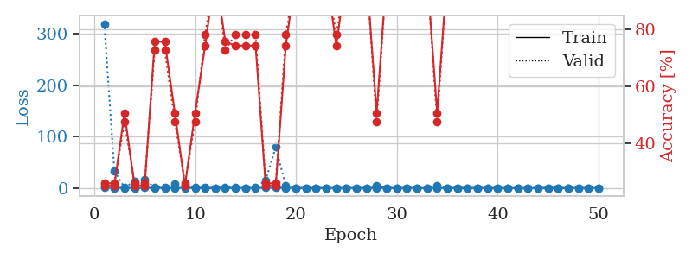
train_loss | valid_loss | train_accuracy | valid_accuracy | dur | train_misclass | valid_misclass
0.76073756166 | 320.03745038 | 0.2527173913 | 0.26086956522 | 1.1556856632 | 25.27173913 | 26.086956522
0.30396332624 | 33.09597032 | 0.2527173913 | 0.26086956522 | 1.1495921612 | 25.27173913 | 26.086956522
0.21955848437 | 1.1391535946 | 0.50815217391 | 0.47826086957 | 1.1469783783 | 50.815217391 | 47.826086957
0.20359954141 | 12.623951746 | 0.2527173913 | 0.26086956522 | 1.1492607594 | 25.27173913 | 26.086956522
0.45907167159 | 15.665404817 | 0.2527173913 | 0.26086956522 | 1.1484758854 | 25.27173913 | 26.086956522
0.13581250075 | 1.6928127382 | 0.75815217391 | 0.72826086957 | 1.1484718323 | 75.815217391 | 72.826086957
0.085527344404 | 0.41208807411 | 0.75815217391 | 0.72826086957 | 1.1500236988 | 75.815217391 | 72.826086957
0.23453583116 | 8.5576881948 | 0.50815217391 | 0.47826086957 | 1.1491041183 | 50.815217391 | 47.826086957
0.20774496262 | 5.3021701937 | 0.2527173913 | 0.26086956522 | 1.149084568 | 25.27173913 | 26.086956522
0.28021167846 | 1.6274564266 | 0.50815217391 | 0.47826086957 | 1.1493971348 | 50.815217391 | 47.826086957
0.10277277715 | 0.42459440102 | 0.74456521739 | 0.78260869565 | 1.1483297348 | 74.456521739 | 78.260869565
0.026048483985 | 0.0098345741306 | 1 | 1 | 1.1498923302 | 100 | 100
0.22446262051 | 0.8746460443 | 0.75815217391 | 0.72826086957 | 1.1487181187 | 75.815217391 | 72.826086957
0.17275000268 | 0.46348969314 | 0.74456521739 | 0.78260869565 | 1.1494004726 | 74.456521739 | 78.260869565
0.18868685489 | 0.27986499538 | 0.74456521739 | 0.78260869565 | 1.1496562958 | 74.456521739 | 78.260869565
0.11643468456 | 0.64483217571 | 0.74456521739 | 0.78260869565 | 1.1491091251 | 74.456521739 | 78.260869565
0.44926904666 | 15.243239154 | 0.2527173913 | 0.26086956522 | 1.1485180855 | 25.27173913 | 26.086956522
0.55431076467 | 79.723476576 | 0.2527173913 | 0.26086956522 | 1.1487212181 | 25.27173913 | 26.086956522
0.28798468986 | 3.8268333414 | 0.74456521739 | 0.78260869565 | 1.1485116482 | 74.456521739 | 78.260869565
0.096939034578 | 0.081936005665 | 1 | 1 | 1.1496191025 | 100 | 100
0.045248381753 | 0.0070982565496 | 1 | 1 | 1.149245739 | 100 | 100
0.026043914036 | 0.10976080596 | 1 | 1 | 1.1483535767 | 100 | 100
0.045427439755 | 0.0069136991287 | 1 | 1 | 1.1490511894 | 100 | 100
0.13514339552 | 0.27358008792 | 0.74456521739 | 0.78260869565 | 1.1492512226 | 74.456521739 | 78.260869565
0.08377406573 | 0.0033848765914 | 1 | 1 | 1.1485731602 | 100 | 100
0.15169335419 | 0.042142110026 | 1 | 1 | 1.1490790844 | 100 | 100
0.081250394502 | 0.054446766072 | 1 | 1 | 1.149525404 | 100 | 100
0.070618005307 | 4.6080327449 | 0.50815217391 | 0.47826086957 | 1.1497180462 | 50.815217391 | 47.826086957
0.040167943428 | 0.0073924374807 | 1 | 1 | 1.1496860981 | 100 | 100
0.066081752419 | 0.0036037718654 | 1 | 1 | 1.1495091915 | 100 | 100
0.084513136823 | 0.026817478968 | 1 | 1 | 1.149574995 | 100 | 100
0.065191257563 | 0.0020133143635 | 1 | 1 | 1.1492576599 | 100 | 100
0.032437101449 | 0.0019347632972 | 1 | 1 | 1.1493453979 | 100 | 100
0.055975251467 | 4.063375556 | 0.50815217391 | 0.47826086957 | 1.1498706341 | 50.815217391 | 47.826086957
0.018735754023 | 0.0016015702454 | 1 | 1 | 1.149987936 | 100 | 100
0.011378322866 | 0.0009097502334 | 1 | 1 | 1.1495234966 | 100 | 100
0.027153828293 | 0.0028428511957 | 1 | 1 | 1.1498949528 | 100 | 100
0.11379569516 | 0.0021682576904 | 1 | 1 | 1.1502103806 | 100 | 100
0.015327455549 | 0.0014524926563 | 1 | 1 | 1.1497912407 | 100 | 100
0.034169346188 | 0.00095906016498 | 1 | 1 | 1.1496660709 | 100 | 100
0.010997223978 | 0.00098107790109 | 1 | 1 | 1.1499786377 | 100 | 100
0.019466839835 | 0.00054764543387 | 1 | 1 | 1.1500630379 | 100 | 100
0.0057868988686 | 0.00068797953882 | 1 | 1 | 1.1501402855 | 100 | 100
0.10990953705 | 0.00051055127077 | 1 | 1 | 1.1504421234 | 100 | 100
0.13251765673 | 0.00056467147838 | 1 | 1 | 1.1500275135 | 100 | 100
0.057504277495 | 0.00061986197556 | 1 | 1 | 1.1511056423 | 100 | 100
0.022849286836 | 0.00071176858214 | 1 | 1 | 1.1509225368 | 100 | 100
0.1222245436 | 0.00074810071079 | 1 | 1 | 1.1504938602 | 100 | 100
0.0095508927062 | 0.00073080352993 | 1 | 1 | 1.1504933834 | 100 | 100
0.045154904289 | 0.00060781221786 | 1 | 1 | 1.150554657 | 100 | 100

Best Val accuracy is 1.0 and Best test accuracy is 1.0

Sheet3
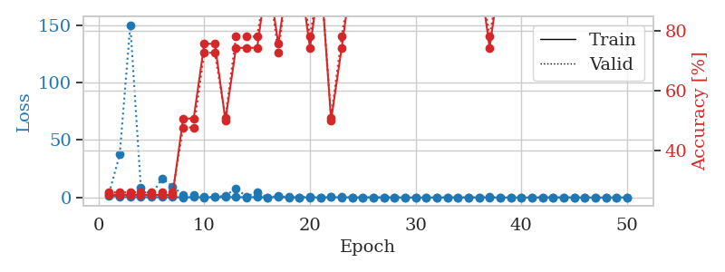
train_loss | valid_loss | train_accuracy | valid_accuracy | dur | train_misclass | valid_misclass
1.2066412231 | 3.8375652044 | 0.2527173913 | 0.26086956522 | 1.152731657 | 25.27173913 | 26.086956522
0.50393449547 | 37.455936598 | 0.2527173913 | 0.26086956522 | 1.1467828751 | 25.27173913 | 26.086956522
0.26763810315 | 150.35265118 | 0.2527173913 | 0.26086956522 | 1.147415638 | 25.27173913 | 26.086956522
0.27025622842 | 8.2842870173 | 0.2527173913 | 0.26086956522 | 1.1488614082 | 25.27173913 | 26.086956522
0.21624671214 | 1.7963097044 | 0.2527173913 | 0.26086956522 | 1.1480102539 | 25.27173913 | 26.086956522
0.20883539728 | 16.736946438 | 0.2527173913 | 0.26086956522 | 1.1497488022 | 25.27173913 | 26.086956522
0.21757026199 | 9.6528026539 | 0.2527173913 | 0.26086956522 | 1.1487271786 | 25.27173913 | 26.086956522
0.15801613017 | 2.1910148289 | 0.50815217391 | 0.47826086957 | 1.1490266323 | 50.815217391 | 47.826086957
0.22299363233 | 1.8325305866 | 0.50815217391 | 0.47826086957 | 1.1504030228 | 50.815217391 | 47.826086957
0.15985041332 | 0.70621293394 | 0.75815217391 | 0.72826086957 | 1.1495671272 | 75.815217391 | 72.826086957
0.22481073773 | 0.39606755324 | 0.75815217391 | 0.72826086957 | 1.1501688957 | 75.815217391 | 72.826086957
0.31425444598 | 1.6130449513 | 0.5027173913 | 0.51086956522 | 1.1485042572 | 50.27173913 | 51.086956522
0.2927792079 | 7.9383942977 | 0.74456521739 | 0.78260869565 | 1.149797678 | 74.456521739 | 78.260869565
0.15376773995 | 0.75711456589 | 0.74456521739 | 0.78260869565 | 1.1503190994 | 74.456521739 | 78.260869565
0.37566468257 | 4.6174449402 | 0.74456521739 | 0.78260869565 | 1.1499319077 | 74.456521739 | 78.260869565
0.12442912295 | 0.020859755414 | 1 | 1 | 1.1493537426 | 100 | 100
0.30132142262 | 1.3513103905 | 0.75815217391 | 0.72826086957 | 1.1498744488 | 75.815217391 | 72.826086957
0.045000242171 | 0.19883851772 | 1 | 1 | 1.1489880085 | 100 | 100
0.10012790338 | 0.096829885698 | 1 | 1 | 1.1498773098 | 100 | 100
0.11061048168 | 0.67174298089 | 0.74456521739 | 0.78260869565 | 1.1485257149 | 74.456521739 | 78.260869565
0.046392010343 | 0.010051385419 | 1 | 1 | 1.1498782635 | 100 | 100
0.21754234098 | 0.7145336996 | 0.5027173913 | 0.51086956522 | 1.1490423679 | 50.27173913 | 51.086956522
0.066411900435 | 0.64500822192 | 0.74456521739 | 0.78260869565 | 1.1495883465 | 74.456521739 | 78.260869565
0.029483317509 | 0.0046753890043 | 1 | 1 | 1.1502041817 | 100 | 100
0.033076270008 | 0.017302762636 | 1 | 1 | 1.1503932476 | 100 | 100
0.034958084084 | 0.042812200992 | 1 | 1 | 1.1501479149 | 100 | 100
0.12521301773 | 0.013354026267 | 1 | 1 | 1.1506118774 | 100 | 100
0.059348097223 | 0.048300436657 | 1 | 1 | 1.1503100395 | 100 | 100
0.011860392234 | 0.0026971006503 | 1 | 1 | 1.1498684883 | 100 | 100
0.017629285394 | 0.0055897682298 | 1 | 1 | 1.1505043507 | 100 | 100
0.0067719605944 | 0.0013363842407 | 1 | 1 | 1.1496634483 | 100 | 100
0.0090364622732 | 0.0014780474999 | 1 | 1 | 1.1502146721 | 100 | 100
0.0084447515458 | 0.0018350463765 | 1 | 1 | 1.1497378349 | 100 | 100
0.020973686722 | 0.0014257357486 | 1 | 1 | 1.1501288414 | 100 | 100
0.011427324315 | 0.00076268347861 | 1 | 1 | 1.1514134407 | 100 | 100
0.052413241935 | 0.0075599127044 | 1 | 1 | 1.150822401 | 100 | 100
0.010134809711 | 0.30535773026 | 0.74456521739 | 0.78260869565 | 1.151134491 | 74.456521739 | 78.260869565
0.0040578505394 | 0.0018510710013 | 1 | 1 | 1.1511247158 | 100 | 100
0.025005382508 | 0.00096598362712 | 1 | 1 | 1.1505408287 | 100 | 100
0.0060708765687 | 0.0010733104908 | 1 | 1 | 1.1517517567 | 100 | 100
0.019617969583 | 0.00061352135684 | 1 | 1 | 1.1527600288 | 100 | 100
0.0072474877183 | 0.0010232984762 | 1 | 1 | 1.1505560875 | 100 | 100
0.058468435304 | 0.0011019284847 | 1 | 1 | 1.1507563591 | 100 | 100
0.0078994784891 | 0.00068758548814 | 1 | 1 | 1.1504392624 | 100 | 100
0.0051629715675 | 0.00078006845939 | 1 | 1 | 1.1514146328 | 100 | 100
0.0055107507328 | 0.00091803270271 | 1 | 1 | 1.150428772 | 100 | 100
0.010124392489 | 0.00089220263307 | 1 | 1 | 1.1504437923 | 100 | 100
0.0067334786746 | 0.00066241283101 | 1 | 1 | 1.1508963108 | 100 | 100
0.066670447234 | 0.00078646820443 | 1 | 1 | 1.1510229111 | 100 | 100
0.036863540241 | 0.00080155552891 | 1 | 1 | 1.1511454582 | 100 | 100

Best Val accuracy is 1.0 and Best test accuracy is 1.0

Sheet4
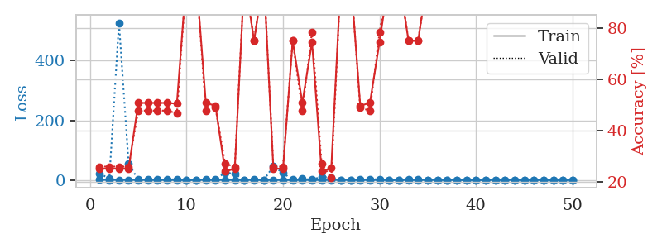
train_loss | valid_loss | train_accuracy | valid_accuracy | dur | train_misclass | valid_misclass
0.88002519763 | 21.750239745 | 0.2527173913 | 0.26086956522 | 1.1565015316 | 25.27173913 | 26.086956522
0.33585470332 | 4.5731470481 | 0.2527173913 | 0.26086956522 | 1.1497244835 | 25.27173913 | 26.086956522
0.46924806354 | 527.17258088 | 0.2527173913 | 0.26086956522 | 1.1488544941 | 25.27173913 | 26.086956522
0.33473560214 | 53.843975067 | 0.2527173913 | 0.26086956522 | 1.148645401 | 25.27173913 | 26.086956522
0.36212209742 | 1.51015843 | 0.50815217391 | 0.47826086957 | 1.149232626 | 50.815217391 | 47.826086957
0.30387482825 | 2.6778118766 | 0.50815217391 | 0.47826086957 | 1.1490981579 | 50.815217391 | 47.826086957
0.30981188381 | 1.6810297292 | 0.50815217391 | 0.47826086957 | 1.1477701664 | 50.815217391 | 47.826086957
0.14962429193 | 1.7813162752 | 0.50815217391 | 0.47826086957 | 1.1490468979 | 50.815217391 | 47.826086957
0.11192565355 | 2.6127950523 | 0.50543478261 | 0.46739130435 | 1.1481523514 | 50.543478261 | 46.739130435
0.092410623339 | 0.0031959686995 | 1 | 1 | 1.1490123272 | 100 | 100
0.082527951398 | 0.18040102461 | 1 | 1 | 1.1500623226 | 100 | 100
0.53794910651 | 2.6972149766 | 0.50815217391 | 0.47826086957 | 1.1488707066 | 50.815217391 | 47.826086957
0.10282956238 | 2.2997333692 | 0.4972826087 | 0.48913043478 | 1.1499145031 | 49.72826087 | 48.913043478
0.39980789031 | 24.718145951 | 0.24184782609 | 0.27173913043 | 1.1488518715 | 24.184782609 | 27.173913043
0.15846633429 | 20.5875852 | 0.2527173913 | 0.26086956522 | 1.1489114761 | 25.27173913 | 26.086956522
0.22787550225 | 0.22964309609 | 1 | 1 | 1.1491966248 | 100 | 100
0.31801796743 | 1.1066183266 | 0.75 | 0.75 | 1.1485550404 | 75 | 75
0.27253374344 | 0.014978506683 | 1 | 1 | 1.1494116783 | 100 | 100
0.13990808807 | 45.606319925 | 0.2527173913 | 0.26086956522 | 1.1492295265 | 25.27173913 | 26.086956522
0.043200491907 | 23.644410507 | 0.2527173913 | 0.26086956522 | 1.1494653225 | 25.27173913 | 26.086956522
0.029668073615 | 0.6702951141 | 0.75 | 0.75 | 1.1493330002 | 75 | 75
0.18708409653 | 5.4476078282 | 0.50815217391 | 0.47826086957 | 1.1496696472 | 50.815217391 | 47.826086957
0.09799395941 | 0.86306492142 | 0.74456521739 | 0.78260869565 | 1.1494069099 | 74.456521739 | 78.260869565
0.06834393271 | 11.673947044 | 0.24184782609 | 0.27173913043 | 1.1504032612 | 24.184782609 | 27.173913043
0.33360913074 | 6.5494286081 | 0.25543478261 | 0.21739130435 | 1.1497716904 | 25.543478261 | 21.739130435
0.23327329901 | 0.014930880062 | 1 | 1 | 1.1503908634 | 100 | 100
0.03197941678 | 0.052678423731 | 1 | 1 | 1.1501629353 | 100 | 100
0.11037284068 | 3.0172161952 | 0.4972826087 | 0.48913043478 | 1.1505596638 | 49.72826087 | 48.913043478
0.14776002048 | 1.6953326256 | 0.50815217391 | 0.47826086957 | 1.1492571831 | 50.815217391 | 47.826086957
0.18893059429 | 3.1799257009 | 0.74456521739 | 0.78260869565 | 1.1494326591 | 74.456521739 | 78.260869565
0.12840337631 | 0.0048205193294 | 1 | 1 | 1.1499559879 | 100 | 100
0.031224022792 | 0.012210690862 | 1 | 1 | 1.150093317 | 100 | 100
0.012900521442 | 1.9715116957 | 0.75 | 0.75 | 1.1502370834 | 75 | 75
0.015439692672 | 0.68365216514 | 0.75 | 0.75 | 1.1499984264 | 75 | 75
0.14663349029 | 0.0022117684636 | 1 | 1 | 1.1506671906 | 100 | 100
0.0061985225842 | 0.0030935749756 | 1 | 1 | 1.1503987312 | 100 | 100
0.0073261042024 | 0.0029610946936 | 1 | 1 | 1.1508564949 | 100 | 100
0.012881288067 | 0.0020241401077 | 1 | 1 | 1.1502363682 | 100 | 100
0.0072418213164 | 0.0019318089193 | 1 | 1 | 1.1494665146 | 100 | 100
0.047116195925 | 0.077521660082 | 1 | 1 | 1.1505868435 | 100 | 100
0.0086876207345 | 0.0018031066992 | 1 | 1 | 1.1503722668 | 100 | 100
0.010428641832 | 0.0017718174495 | 1 | 1 | 1.1506698132 | 100 | 100
0.045136983496 | 0.10139173269 | 1 | 1 | 1.1507854462 | 100 | 100
0.007167847078 | 0.0022357148321 | 1 | 1 | 1.1512928009 | 100 | 100
0.18205349572 | 0.066441455937 | 1 | 1 | 1.1500968933 | 100 | 100
0.028096091488 | 0.0015159548949 | 1 | 1 | 1.1513538361 | 100 | 100
0.015100376159 | 0.0015959936224 | 1 | 1 | 1.1513049603 | 100 | 100
0.028542844786 | 0.002565934343 | 1 | 1 | 1.1503152847 | 100 | 100
0.033580619447 | 0.0018098121661 | 1 | 1 | 1.1516089439 | 100 | 100
0.046691002719 | 0.001532029892 | 1 | 1 | 1.1503167152 | 100 | 100

Best Val accuracy is 1.0 and Best test accuracy is 1.0

Sheet5
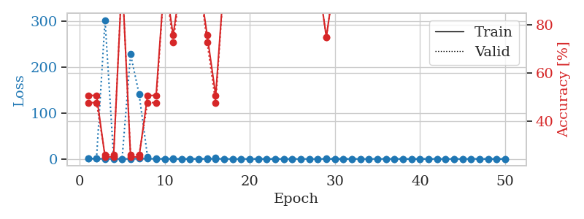
train_loss | valid_loss | train_accuracy | valid_accuracy | dur | train_misclass | valid_misclass
1.0262173544 | 0.83601494198 | 0.50815217391 | 0.47826086957 | 1.1485238075 | 50.815217391 | 47.826086957
0.50379120591 | 1.1261638507 | 0.50815217391 | 0.47826086957 | 1.1485476494 | 50.815217391 | 47.826086957
0.24877302446 | 302.61753115 | 0.2527173913 | 0.26086956522 | 1.1492373943 | 25.27173913 | 26.086956522
0.28519023113 | 5.2245812416 | 0.2527173913 | 0.26086956522 | 1.1478857994 | 25.27173913 | 26.086956522
0.076543531057 | 0.03261437429 | 1 | 1 | 1.1474704742 | 100 | 100
0.19878429573 | 227.89834993 | 0.2527173913 | 0.26086956522 | 1.1492068768 | 25.27173913 | 26.086956522
0.68629642248 | 141.45353831 | 0.2527173913 | 0.26086956522 | 1.1482150555 | 25.27173913 | 26.086956522
0.52125191705 | 3.9102635902 | 0.50815217391 | 0.47826086957 | 1.147424221 | 50.815217391 | 47.826086957
0.3070892788 | 1.0683398454 | 0.50815217391 | 0.47826086957 | 1.1470127106 | 50.815217391 | 47.826086957
0.19898333832 | 0.071985331566 | 1 | 1 | 1.1463894844 | 100 | 100
0.31969594949 | 0.42690318952 | 0.75815217391 | 0.72826086957 | 1.147295475 | 75.815217391 | 72.826086957
0.14605791676 | 0.023230519956 | 1 | 1 | 1.1470513344 | 100 | 100
0.16946491907 | 0.024094554798 | 1 | 1 | 1.1483230591 | 100 | 100
0.11403453548 | 0.1226273056 | 1 | 1 | 1.1479787827 | 100 | 100
0.15939156002 | 0.78723617481 | 0.75815217391 | 0.72826086957 | 1.1476006508 | 75.815217391 | 72.826086957
0.30847777872 | 2.1049805983 | 0.50815217391 | 0.47826086957 | 1.1470916271 | 50.815217391 | 47.826086957
0.10925358868 | 0.030990412378 | 1 | 1 | 1.1477637291 | 100 | 100
0.054157824772 | 0.0023369471968 | 1 | 1 | 1.1469876766 | 100 | 100
0.025584195923 | 0.0041969076973 | 1 | 1 | 1.1480128765 | 100 | 100
0.068211024916 | 0.015582999053 | 1 | 1 | 1.1484642029 | 100 | 100
0.12572519294 | 0.058348310544 | 1 | 1 | 1.1483559608 | 100 | 100
0.050305465165 | 0.0023240453017 | 1 | 1 | 1.147534132 | 100 | 100
0.044210480946 | 0.0036836019616 | 1 | 1 | 1.1476635933 | 100 | 100
0.017819482846 | 0.0013366115644 | 1 | 1 | 1.1477971077 | 100 | 100
0.0790724024 | 0.024630959591 | 1 | 1 | 1.1482903957 | 100 | 100
0.02304036353 | 0.0051973114074 | 1 | 1 | 1.1477305889 | 100 | 100
0.017085577376 | 0.0011141912192 | 1 | 1 | 1.1479446888 | 100 | 100
0.033132742534 | 0.0024852657124 | 1 | 1 | 1.1482028961 | 100 | 100
0.20329060031 | 0.47947815968 | 0.75 | 0.75 | 1.1481463909 | 75 | 75
0.056727493663 | 0.0029961120074 | 1 | 1 | 1.1485829353 | 100 | 100
0.29322328357 | 0.0018127805189 | 1 | 1 | 1.1503956318 | 100 | 100
0.042233110395 | 0.0064195303813 | 1 | 1 | 1.1480097771 | 100 | 100
0.12333229612 | 0.0021009745643 | 1 | 1 | 1.1481060982 | 100 | 100
0.022008137509 | 0.0011857661328 | 1 | 1 | 1.1483402252 | 100 | 100
0.089536598028 | 0.0012487815035 | 1 | 1 | 1.1485421658 | 100 | 100
0.19334023513 | 0.0054102444657 | 1 | 1 | 1.1487514973 | 100 | 100
0.14169079341 | 0.0040410334528 | 1 | 1 | 1.1490576267 | 100 | 100
0.075389525534 | 0.0039211572148 | 1 | 1 | 1.1485185623 | 100 | 100
0.039360442771 | 0.0009623453345 | 1 | 1 | 1.1484789848 | 100 | 100
0.11350634495 | 0.0022723672446 | 1 | 1 | 1.1493844986 | 100 | 100
0.06994561027 | 0.0023275689202 | 1 | 1 | 1.1483163834 | 100 | 100
0.073518289924 | 0.00084118079141 | 1 | 1 | 1.1501817703 | 100 | 100
0.054991975014 | 0.0012131375311 | 1 | 1 | 1.1500604153 | 100 | 100
0.039749998779 | 0.0010157084072 | 1 | 1 | 1.1498880386 | 100 | 100
0.026852788682 | 0.0011410371289 | 1 | 1 | 1.1491193771 | 100 | 100
0.34033125786 | 0.00090223016298 | 1 | 1 | 1.1504533291 | 100 | 100
0.12203158686 | 0.00096400069458 | 1 | 1 | 1.1491687298 | 100 | 100
0.012600498294 | 0.00099279595863 | 1 | 1 | 1.1494255066 | 100 | 100
0.06152718909 | 0.00095753397529 | 1 | 1 | 1.1490092278 | 100 | 100
0.034334277499 | 0.001045842574 | 1 | 1 | 1.1493604183 | 100 | 100

Best Val accuracy is 1.0 and Best test accuracy is 1.0

Sheet6
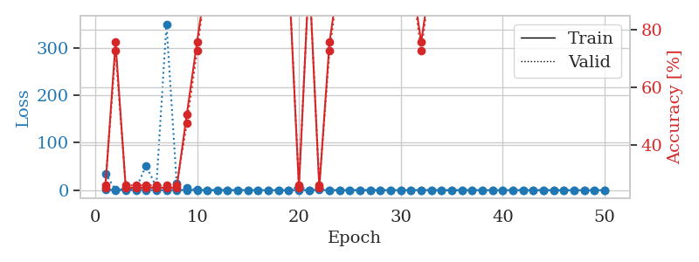
train_loss | valid_loss | train_accuracy | valid_accuracy | dur | train_misclass | valid_misclass
0.82040426783 | 35.128536473 | 0.2527173913 | 0.26086956522 | 1.1526494026 | 25.27173913 | 26.086956522
0.36756107082 | 0.72175269412 | 0.75815217391 | 0.72826086957 | 1.1501867771 | 75.815217391 | 72.826086957
0.31669492858 | 3.0467606005 | 0.2527173913 | 0.26086956522 | 1.1482207775 | 25.27173913 | 26.086956522
0.27669104837 | 2.4142893708 | 0.2527173913 | 0.26086956522 | 1.1481893063 | 25.27173913 | 26.086956522
0.32146836639 | 51.872030009 | 0.2527173913 | 0.26086956522 | 1.1475794315 | 25.27173913 | 26.086956522
0.2649915028 | 6.6407904418 | 0.2527173913 | 0.26086956522 | 1.1471605301 | 25.27173913 | 26.086956522
0.20699850089 | 350.06310106 | 0.2527173913 | 0.26086956522 | 1.147942543 | 25.27173913 | 26.086956522
0.34679583468 | 14.557169251 | 0.2527173913 | 0.26086956522 | 1.1483225822 | 25.27173913 | 26.086956522
0.37632202782 | 4.8349688157 | 0.50815217391 | 0.47826086957 | 1.1476726532 | 50.815217391 | 47.826086957
0.30559533996 | 0.63776472211 | 0.75815217391 | 0.72826086957 | 1.1477510929 | 75.815217391 | 72.826086957
0.1415892194 | 0.091713164488 | 1 | 1 | 1.1481180191 | 100 | 100
0.1036526596 | 0.098998534615 | 1 | 1 | 1.1477179527 | 100 | 100
0.18966838594 | 0.031436582136 | 1 | 1 | 1.1483106613 | 100 | 100
0.23861079246 | 0.013773163943 | 1 | 1 | 1.1483843327 | 100 | 100
0.21296166701 | 0.0062972443867 | 1 | 1 | 1.1478030682 | 100 | 100
0.15630195118 | 0.036527674807 | 1 | 1 | 1.147115469 | 100 | 100
0.1735481448 | 0.11422718413 | 1 | 1 | 1.1481215954 | 100 | 100
0.059665025171 | 0.0083088231799 | 1 | 1 | 1.1484062672 | 100 | 100
0.036282260781 | 0.0053439524187 | 1 | 1 | 1.1474046707 | 100 | 100
0.35644830358 | 7.9774983655 | 0.2527173913 | 0.26086956522 | 1.1487541199 | 25.27173913 | 26.086956522
0.16938749951 | 0.10517907661 | 1 | 1 | 1.1482770443 | 100 | 100
0.44220023046 | 5.3210766212 | 0.2527173913 | 0.26086956522 | 1.146882534 | 25.27173913 | 26.086956522
0.16135321598 | 0.29627017159 | 0.75815217391 | 0.72826086957 | 1.1475367546 | 75.815217391 | 72.826086957
0.19310280428 | 0.0068535779643 | 1 | 1 | 1.1479110718 | 100 | 100
0.087639781636 | 0.022107947456 | 1 | 1 | 1.1480326653 | 100 | 100
0.21240431026 | 0.0092955326014 | 1 | 1 | 1.1472556591 | 100 | 100
0.08940038664 | 0.0028064959966 | 1 | 1 | 1.1470935345 | 100 | 100
0.033739645606 | 0.0018143738094 | 1 | 1 | 1.1480593681 | 100 | 100
0.13795096977 | 0.0047369763134 | 1 | 1 | 1.1487019062 | 100 | 100
0.078579834926 | 0.0085568353939 | 1 | 1 | 1.1486518383 | 100 | 100
0.20871434856 | 0.015037817557 | 1 | 1 | 1.1485438347 | 100 | 100
0.26710381585 | 0.26210478402 | 0.75815217391 | 0.72826086957 | 1.1483259201 | 75.815217391 | 72.826086957
0.13050515221 | 0.089094707175 | 1 | 1 | 1.148702383 | 100 | 100
0.15100061625 | 0.0029129111006 | 1 | 1 | 1.1486992836 | 100 | 100
0.0326643779 | 0.0028880512666 | 1 | 1 | 1.1489508152 | 100 | 100
0.028881807726 | 0.0046490782102 | 1 | 1 | 1.1494898796 | 100 | 100
0.011712481652 | 0.0026256504833 | 1 | 1 | 1.1487669945 | 100 | 100
0.16446584593 | 0.012060675163 | 1 | 1 | 1.1492278576 | 100 | 100
0.069032736781 | 0.0022572740386 | 1 | 1 | 1.1495952606 | 100 | 100
0.094673282183 | 0.0036836548749 | 1 | 1 | 1.1501443386 | 100 | 100
0.21053185674 | 0.0074498146853 | 1 | 1 | 1.1494932175 | 100 | 100
0.11067057844 | 0.0029007763825 | 1 | 1 | 1.1489608288 | 100 | 100
0.086963262343 | 0.0023693661104 | 1 | 1 | 1.1483471394 | 100 | 100
0.12567385095 | 0.0029967292414 | 1 | 1 | 1.1491401196 | 100 | 100
0.063260927812 | 0.0022364629574 | 1 | 1 | 1.1485645771 | 100 | 100
0.024003760373 | 0.002891245703 | 1 | 1 | 1.1490008831 | 100 | 100
0.16457208397 | 0.002662311713 | 1 | 1 | 1.1489400864 | 100 | 100
0.094622876029 | 0.002688381335 | 1 | 1 | 1.1503465176 | 100 | 100
0.01540623834 | 0.0025374878947 | 1 | 1 | 1.1488363743 | 100 | 100
0.038170005909 | 0.0022736074322 | 1 | 1 | 1.1498632431 | 100 | 100

Best Val accuracy is 1.0 and Best test accuracy is 1.0

Sheet7
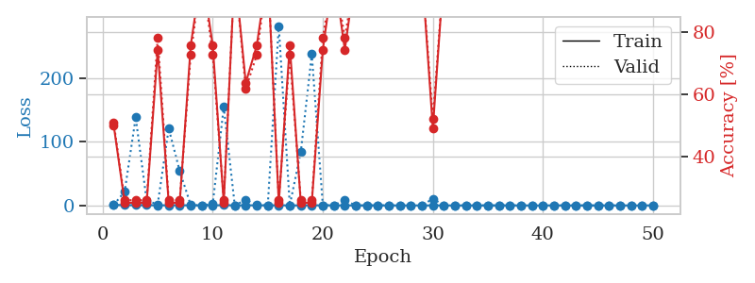
train_loss | valid_loss | train_accuracy | valid_accuracy | dur | train_misclass | valid_misclass
0.9185422322 | 0.86714336924 | 0.5027173913 | 0.51086956522 | 1.1518266201 | 50.27173913 | 51.086956522
0.42043725757 | 21.723850748 | 0.2527173913 | 0.26086956522 | 1.146279335 | 25.27173913 | 26.086956522
0.45785919221 | 138.67922775 | 0.2527173913 | 0.26086956522 | 1.1455481052 | 25.27173913 | 26.086956522
0.41317137136 | 7.3267523931 | 0.2527173913 | 0.26086956522 | 1.1482479572 | 25.27173913 | 26.086956522
0.21808914209 | 1.7846796202 | 0.74456521739 | 0.78260869565 | 1.1472461224 | 74.456521739 | 78.260869565
0.27155502238 | 121.11539526 | 0.2527173913 | 0.26086956522 | 1.1491751671 | 25.27173913 | 26.086956522
0.34870520457 | 54.169474229 | 0.2527173913 | 0.26086956522 | 1.1482751369 | 25.27173913 | 26.086956522
0.10876387333 | 0.52889283325 | 0.75815217391 | 0.72826086957 | 1.1479945183 | 75.815217391 | 72.826086957
0.15815418764 | 0.11971733492 | 1 | 1 | 1.1480298042 | 100 | 100
0.18746721558 | 2.0695232568 | 0.75815217391 | 0.72826086957 | 1.149964571 | 75.815217391 | 72.826086957
0.35911750148 | 155.24208069 | 0.2527173913 | 0.26086956522 | 1.1476426125 | 25.27173913 | 26.086956522
0.23201936103 | 0.23932276342 | 1 | 1 | 1.1482310295 | 100 | 100
0.19576267882 | 8.4188123786 | 0.63858695652 | 0.61956521739 | 1.1479077339 | 63.858695652 | 61.956521739
0.16433768169 | 0.90247629777 | 0.75815217391 | 0.72826086957 | 1.1475865841 | 75.815217391 | 72.826086957
0.20275656519 | 0.014666496655 | 1 | 1 | 1.1486706734 | 100 | 100
0.27646491158 | 282.78310228 | 0.2527173913 | 0.26086956522 | 1.1481313705 | 25.27173913 | 26.086956522
0.078633497894 | 0.30056126675 | 0.75815217391 | 0.72826086957 | 1.1487791538 | 75.815217391 | 72.826086957
0.067711351196 | 84.034477566 | 0.2527173913 | 0.26086956522 | 1.1479625702 | 25.27173913 | 26.086956522
0.26187337304 | 238.24050771 | 0.2527173913 | 0.26086956522 | 1.1486859322 | 25.27173913 | 26.086956522
0.12521764636 | 0.31841769685 | 0.74456521739 | 0.78260869565 | 1.1489109993 | 74.456521739 | 78.260869565
0.22008424733 | 0.15196966769 | 1 | 1 | 1.1484770775 | 100 | 100
0.048630568543 | 7.9148975041 | 0.74456521739 | 0.78260869565 | 1.1483733654 | 74.456521739 | 78.260869565
0.018647140403 | 0.0026169520216 | 1 | 1 | 1.1484732628 | 100 | 100
0.045067074871 | 0.0080605380683 | 1 | 1 | 1.1488003731 | 100 | 100
0.19610229994 | 0.0024756726394 | 1 | 1 | 1.1486208439 | 100 | 100
0.02753147703 | 0.0027490025386 | 1 | 1 | 1.1486866474 | 100 | 100
0.055274596402 | 0.0016975236156 | 1 | 1 | 1.1477224827 | 100 | 100
0.06527853991 | 0.0048293081193 | 1 | 1 | 1.1484360695 | 100 | 100
0.015776278679 | 0.012930683063 | 1 | 1 | 1.1482675076 | 100 | 100
0.043744403499 | 10.573607984 | 0.49184782609 | 0.52173913043 | 1.1495854855 | 49.184782609 | 52.173913043
0.051942424788 | 0.00097981777103 | 1 | 1 | 1.1493635178 | 100 | 100
0.014257388751 | 0.0017246975938 | 1 | 1 | 1.1491584778 | 100 | 100
0.033581639929 | 0.0015693950345 | 1 | 1 | 1.1490855217 | 100 | 100
0.041197341072 | 0.0023950440809 | 1 | 1 | 1.1496953964 | 100 | 100
0.053793323095 | 0.0063968190478 | 1 | 1 | 1.1500577927 | 100 | 100
0.044230585948 | 0.0026747112912 | 1 | 1 | 1.1493299007 | 100 | 100
0.057405375874 | 0.0013349315192 | 1 | 1 | 1.1505753994 | 100 | 100
0.011268546506 | 0.0016199554388 | 1 | 1 | 1.1497197151 | 100 | 100
0.019666087619 | 0.0035009789281 | 1 | 1 | 1.1506152153 | 100 | 100
0.021745839422 | 0.0020860011548 | 1 | 1 | 1.1500041485 | 100 | 100
0.11058894964 | 0.001468570908 | 1 | 1 | 1.1498317719 | 100 | 100
0.05237890845 | 0.0010010992612 | 1 | 1 | 1.150321722 | 100 | 100
0.026505017843 | 0.0013001533428 | 1 | 1 | 1.1504540443 | 100 | 100
0.015660960822 | 0.0015418419422 | 1 | 1 | 1.151283741 | 100 | 100
0.008367689825 | 0.0012454170653 | 1 | 1 | 1.1500325203 | 100 | 100
0.0057406441825 | 0.0011551359101 | 1 | 1 | 1.1505887508 | 100 | 100
0.019246907806 | 0.0012330660526 | 1 | 1 | 1.1503212452 | 100 | 100
0.022465865075 | 0.0013440613402 | 1 | 1 | 1.1502788067 | 100 | 100
0.068447679949 | 0.0010602328693 | 1 | 1 | 1.1497170925 | 100 | 100
0.078435159868 | 0.0012719567774 | 1 | 1 | 1.1515202522 | 100 | 100

Best Val accuracy is 1.0 and Best test accuracy is 1.0

Sheet8
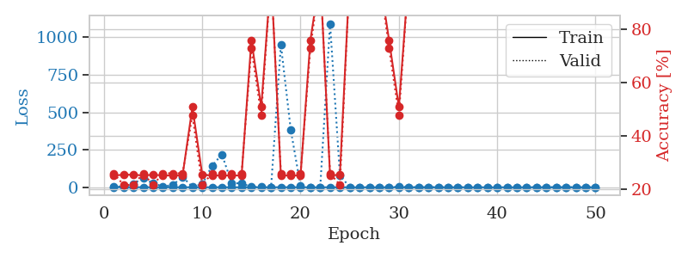
train_loss | valid_loss | train_accuracy | valid_accuracy | dur | train_misclass | valid_misclass
1.3022277226 | 6.0400670922 | 0.2527173913 | 0.26086956522 | 1.1516129971 | 25.27173913 | 26.086956522
0.62254406836 | 3.8553793016 | 0.25543478261 | 0.21739130435 | 1.148242712 | 25.543478261 | 21.739130435
0.39415520754 | 23.915029194 | 0.25543478261 | 0.21739130435 | 1.1487474442 | 25.543478261 | 21.739130435
0.47847559465 | 60.307359281 | 0.2527173913 | 0.26086956522 | 1.148406744 | 25.27173913 | 26.086956522
0.33837717059 | 26.150224437 | 0.25543478261 | 0.21739130435 | 1.1476984024 | 25.543478261 | 21.739130435
0.3123907868 | 5.737221863 | 0.2527173913 | 0.26086956522 | 1.1475362778 | 25.27173913 | 26.086956522
0.32002183034 | 14.820077316 | 0.2527173913 | 0.26086956522 | 1.1476011276 | 25.27173913 | 26.086956522
0.1590691975 | 69.635640683 | 0.2527173913 | 0.26086956522 | 1.1479833126 | 25.27173913 | 26.086956522
0.13707383269 | 1.7928311669 | 0.50815217391 | 0.47826086957 | 1.1481983662 | 50.815217391 | 47.826086957
0.11264429031 | 20.863988462 | 0.25543478261 | 0.21739130435 | 1.1492698193 | 25.543478261 | 21.739130435
0.14607864396 | 143.51686693 | 0.2527173913 | 0.26086956522 | 1.1490268707 | 25.27173913 | 26.086956522
0.30721322641 | 218.9133931 | 0.2527173913 | 0.26086956522 | 1.1486458778 | 25.27173913 | 26.086956522
0.083829218967 | 26.388179613 | 0.2527173913 | 0.26086956522 | 1.1482622623 | 25.27173913 | 26.086956522
0.13655911815 | 26.882052463 | 0.2527173913 | 0.26086956522 | 1.1478686333 | 25.27173913 | 26.086956522
0.034618119102 | 1.875654573 | 0.75815217391 | 0.72826086957 | 1.1477277279 | 75.815217391 | 72.826086957
0.028198864392 | 2.1669606074 | 0.50815217391 | 0.47826086957 | 1.1497101784 | 50.815217391 | 47.826086957
0.012658654368 | 0.021447868532 | 1 | 1 | 1.1492989063 | 100 | 100
0.53141968396 | 950.68435802 | 0.2527173913 | 0.26086956522 | 1.1500995159 | 25.27173913 | 26.086956522
0.22082323257 | 384.24454531 | 0.2527173913 | 0.26086956522 | 1.1483957767 | 25.27173913 | 26.086956522
0.13745232599 | 7.1919686069 | 0.2527173913 | 0.26086956522 | 1.1478586197 | 25.27173913 | 26.086956522
0.13553854143 | 0.77217952324 | 0.75815217391 | 0.72826086957 | 1.1481101513 | 75.815217391 | 72.826086957
0.057248753111 | 0.018622479847 | 1 | 1 | 1.148976326 | 100 | 100
0.12813009889 | 1090.9223049 | 0.2527173913 | 0.26086956522 | 1.1484222412 | 25.27173913 | 26.086956522
0.087181336206 | 81.037099092 | 0.25543478261 | 0.21739130435 | 1.1485292912 | 25.543478261 | 21.739130435
0.063953381133 | 0.020352790132 | 1 | 1 | 1.1478009224 | 100 | 100
0.024528806199 | 0.12544666749 | 1 | 1 | 1.1488721371 | 100 | 100
0.086208852919 | 0.0043014414487 | 1 | 1 | 1.1480503082 | 100 | 100
0.024986773395 | 0.0050521843824 | 1 | 1 | 1.1481654644 | 100 | 100
0.22519692369 | 1.1545192444 | 0.75815217391 | 0.72826086957 | 1.148018837 | 75.815217391 | 72.826086957
0.15106296626 | 3.4729880665 | 0.50815217391 | 0.47826086957 | 1.1476328373 | 50.815217391 | 47.826086957
0.029700342161 | 0.01120250336 | 1 | 1 | 1.1490569115 | 100 | 100
0.040339088169 | 0.0045608655023 | 1 | 1 | 1.1483552456 | 100 | 100
0.028648566536 | 0.0050586521949 | 1 | 1 | 1.1483676434 | 100 | 100
0.14464955226 | 0.014628911472 | 1 | 1 | 1.1478083134 | 100 | 100
0.029132380677 | 0.014518329428 | 1 | 1 | 1.148203373 | 100 | 100
0.027682038308 | 0.0058711304167 | 1 | 1 | 1.1489276886 | 100 | 100
0.14865805549 | 0.0051659100446 | 1 | 1 | 1.1486010551 | 100 | 100
0.025697493217 | 0.0051056372569 | 1 | 1 | 1.1500179768 | 100 | 100
0.016946630147 | 0.00360028551 | 1 | 1 | 1.1493086815 | 100 | 100
0.024902983164 | 0.0035934585916 | 1 | 1 | 1.1497688293 | 100 | 100
0.022279029105 | 0.0033180930287 | 1 | 1 | 1.149310112 | 100 | 100
0.060258021578 | 0.0033223450933 | 1 | 1 | 1.150121212 | 100 | 100
0.015919385174 | 0.0032894658228 | 1 | 1 | 1.1500780582 | 100 | 100
0.030329859755 | 0.0032581637269 | 1 | 1 | 1.1508238316 | 100 | 100
0.091542398506 | 0.0031502157774 | 1 | 1 | 1.149698019 | 100 | 100
0.014603817076 | 0.0033999129968 | 1 | 1 | 1.1506693363 | 100 | 100
0.0094879919602 | 0.0035639976495 | 1 | 1 | 1.1498594284 | 100 | 100
0.0085951694611 | 0.0032904905814 | 1 | 1 | 1.1502370834 | 100 | 100
0.0080787573901 | 0.0034083296727 | 1 | 1 | 1.1499285698 | 100 | 100
0.013852454621 | 0.0034785859348 | 1 | 1 | 1.1528553963 | 100 | 100

Best Val accuracy is 1.0 and Best test accuracy is 1.0

Sheet9
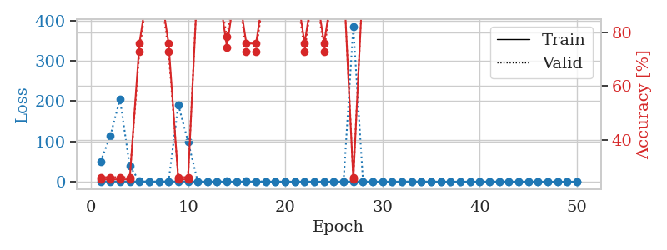
train_loss | valid_loss | train_accuracy | valid_accuracy | dur | train_misclass | valid_misclass
0.91263021464 | 49.517492377 | 0.2527173913 | 0.26086956522 | 1.1542685032 | 25.27173913 | 26.086956522
0.28800183178 | 113.19262165 | 0.2527173913 | 0.26086956522 | 1.1486923695 | 25.27173913 | 26.086956522
0.38305820266 | 204.80081641 | 0.2527173913 | 0.26086956522 | 1.1478655338 | 25.27173913 | 26.086956522
0.21614285558 | 38.927028324 | 0.2527173913 | 0.26086956522 | 1.14798069 | 25.27173913 | 26.086956522
0.13210417193 | 1.2207731864 | 0.75815217391 | 0.72826086957 | 1.1484498978 | 75.815217391 | 72.826086957
0.20072767657 | 0.12427963381 | 1 | 1 | 1.1490530968 | 100 | 100
0.13442877826 | 0.080230690053 | 1 | 1 | 1.1500542164 | 100 | 100
0.17906188564 | 0.71007625953 | 0.75815217391 | 0.72826086957 | 1.1481983662 | 75.815217391 | 72.826086957
0.4281705496 | 191.31652235 | 0.2527173913 | 0.26086956522 | 1.1478590965 | 25.27173913 | 26.086956522
0.41284510352 | 99.919897992 | 0.2527173913 | 0.26086956522 | 1.1479308605 | 25.27173913 | 26.086956522
0.18339892574 | 0.09265548088 | 1 | 1 | 1.1482844353 | 100 | 100
0.11385561388 | 0.020846714144 | 1 | 1 | 1.1483864784 | 100 | 100
0.10313587982 | 0.013600765201 | 1 | 1 | 1.1485869884 | 100 | 100
0.075904126967 | 2.3887486043 | 0.74456521739 | 0.78260869565 | 1.1486020088 | 74.456521739 | 78.260869565
0.095949007026 | 0.018818501586 | 1 | 1 | 1.1492557526 | 100 | 100
0.23263807867 | 1.0366037903 | 0.75815217391 | 0.72826086957 | 1.1483714581 | 75.815217391 | 72.826086957
0.173278154 | 0.86719096484 | 0.75815217391 | 0.72826086957 | 1.1486268044 | 75.815217391 | 72.826086957
0.077536008037 | 0.021577032364 | 1 | 1 | 1.1486284733 | 100 | 100
0.073669876002 | 0.0061006490749 | 1 | 1 | 1.1489686966 | 100 | 100
0.084265697191 | 0.015358522777 | 1 | 1 | 1.1488893032 | 100 | 100
0.05799694338 | 0.0059368964082 | 1 | 1 | 1.1474063396 | 100 | 100
0.21181422314 | 0.3438285356 | 0.75815217391 | 0.72826086957 | 1.1479501724 | 75.815217391 | 72.826086957
0.0227395366 | 0.010938674252 | 1 | 1 | 1.1480805874 | 100 | 100
0.075829143631 | 0.32094526809 | 0.75815217391 | 0.72826086957 | 1.1480174065 | 75.815217391 | 72.826086957
0.059277275182 | 0.038706376987 | 1 | 1 | 1.1486577988 | 100 | 100
0.10404705017 | 0.0061179738613 | 1 | 1 | 1.14853549 | 100 | 100
0.25444012749 | 385.13626364 | 0.2527173913 | 0.26086956522 | 1.1483242512 | 25.27173913 | 26.086956522
0.069950729462 | 0.053717411083 | 1 | 1 | 1.1513044834 | 100 | 100
0.034953851592 | 0.0020409875914 | 1 | 1 | 1.1487028599 | 100 | 100
0.087794483656 | 0.0027976973974 | 1 | 1 | 1.1485381126 | 100 | 100
0.058572143919 | 0.0049456670759 | 1 | 1 | 1.1495614052 | 100 | 100
0.028556932361 | 0.0012140691979 | 1 | 1 | 1.1492030621 | 100 | 100
0.27231114949 | 0.0055808460785 | 1 | 1 | 1.1502101421 | 100 | 100
0.047763934399 | 0.010439067472 | 1 | 1 | 1.1501691341 | 100 | 100
0.032992316491 | 0.0014964044297 | 1 | 1 | 1.1495101452 | 100 | 100
0.0093452128096 | 0.00086118683786 | 1 | 1 | 1.1498003006 | 100 | 100
0.031925347001 | 0.0020718870624 | 1 | 1 | 1.1499354839 | 100 | 100
0.091396000887 | 0.0051869610729 | 1 | 1 | 1.1500406265 | 100 | 100
0.020246910979 | 0.0028763376176 | 1 | 1 | 1.1494269371 | 100 | 100
0.13833711058 | 0.0022225661466 | 1 | 1 | 1.1503129005 | 100 | 100
0.0297897923 | 0.0014422089722 | 1 | 1 | 1.1497249603 | 100 | 100
0.0918840297 | 0.0009232729967 | 1 | 1 | 1.1510231495 | 100 | 100
0.03259873213 | 0.0011272201335 | 1 | 1 | 1.1497189999 | 100 | 100
0.065764791636 | 0.00078507604928 | 1 | 1 | 1.1506679058 | 100 | 100
0.12359890235 | 0.00082598524118 | 1 | 1 | 1.1499381065 | 100 | 100
0.048157409232 | 0.00065459206488 | 1 | 1 | 1.1506056786 | 100 | 100
0.035915759486 | 0.00066740692178 | 1 | 1 | 1.1514892578 | 100 | 100
0.0038791865455 | 0.00069513453586 | 1 | 1 | 1.1499316692 | 100 | 100
0.012264531636 | 0.00068044418256 | 1 | 1 | 1.1493258476 | 100 | 100
0.026207354398 | 0.00069018826901 | 1 | 1 | 1.1504585743 | 100 | 100

Best Val accuracy is 1.0 and Best test accuracy is 1.0

Sheet10
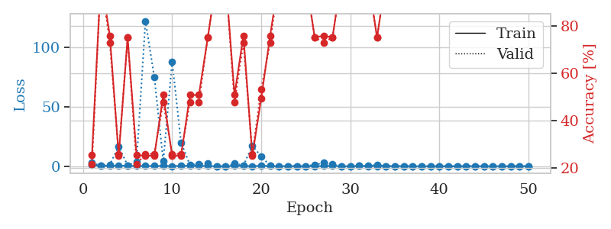
train_loss | valid_loss | train_accuracy | valid_accuracy | dur | train_misclass | valid_misclass
0.95337804374 | 2.8651889718 | 0.25543478261 | 0.21739130435 | 1.1505122185 | 25.543478261 | 21.739130435
0.32595162029 | 0.23174028552 | 1 | 1 | 1.1492903233 | 100 | 100
0.28426169086 | 1.3516090409 | 0.75815217391 | 0.72826086957 | 1.1490404606 | 75.815217391 | 72.826086957
0.43154574591 | 16.772920194 | 0.2527173913 | 0.26086956522 | 1.1473827362 | 25.27173913 | 26.086956522
0.27889695699 | 0.55549859223 | 0.75 | 0.75 | 1.1472041607 | 75 | 75
0.22469376441 | 3.7270034914 | 0.25543478261 | 0.21739130435 | 1.1469936371 | 25.543478261 | 21.739130435
0.18811218943 | 121.89460688 | 0.2527173913 | 0.26086956522 | 1.1476106644 | 25.27173913 | 26.086956522
0.18373504471 | 74.662389672 | 0.2527173913 | 0.26086956522 | 1.1473152637 | 25.27173913 | 26.086956522
0.27024773496 | 4.3082442595 | 0.50815217391 | 0.47826086957 | 1.1483380795 | 50.815217391 | 47.826086957
0.15217670742 | 87.746665955 | 0.2527173913 | 0.26086956522 | 1.1479377747 | 25.27173913 | 26.086956522
0.26073534644 | 19.745458188 | 0.2527173913 | 0.26086956522 | 1.1482539177 | 25.27173913 | 26.086956522
0.40000539224 | 1.0871801273 | 0.50815217391 | 0.47826086957 | 1.1491527557 | 50.815217391 | 47.826086957
0.34105800469 | 1.8167330441 | 0.50815217391 | 0.47826086957 | 1.1481099129 | 50.815217391 | 47.826086957
0.17260237818 | 2.2604286152 | 0.75 | 0.75 | 1.1486907005 | 75 | 75
0.093701762167 | 0.063527068852 | 1 | 1 | 1.1485881805 | 100 | 100
0.05169345566 | 0.011593833444 | 1 | 1 | 1.1479685307 | 100 | 100
0.34352726114 | 2.1517590854 | 0.50815217391 | 0.47826086957 | 1.148607254 | 50.815217391 | 47.826086957
0.17521285841 | 0.69699501084 | 0.75815217391 | 0.72826086957 | 1.1485164165 | 75.815217391 | 72.826086957
0.1169764884 | 17.074290193 | 0.2527173913 | 0.26086956522 | 1.1495115757 | 25.27173913 | 26.086956522
0.26494338667 | 8.1799935673 | 0.49456521739 | 0.53260869565 | 1.1493525505 | 49.456521739 | 53.260869565
0.22560493583 | 0.54604164932 | 0.75815217391 | 0.72826086957 | 1.1487123966 | 75.815217391 | 72.826086957
0.06073010639 | 0.010307141013 | 1 | 1 | 1.1486468315 | 100 | 100
0.099561527098 | 0.0038899870124 | 1 | 1 | 1.1487529278 | 100 | 100
0.086604043973 | 0.094186823977 | 1 | 1 | 1.1487975121 | 100 | 100
0.062267405027 | 0.0077006554879 | 1 | 1 | 1.1487269402 | 100 | 100
0.084211179222 | 1.1803373461 | 0.75 | 0.75 | 1.1494812965 | 75 | 75
0.19073012545 | 2.9096006777 | 0.75815217391 | 0.72826086957 | 1.1491751671 | 75.815217391 | 72.826086957
0.29249029086 | 1.9417621882 | 0.75 | 0.75 | 1.1490635872 | 75 | 75
0.064811218439 | 0.0069531021113 | 1 | 1 | 1.1502826214 | 100 | 100
0.012303650268 | 0.0029022556871 | 1 | 1 | 1.148910284 | 100 | 100
0.19610604367 | 0.16500434863 | 1 | 1 | 1.1498436928 | 100 | 100
0.17296427556 | 0.039628041989 | 1 | 1 | 1.1505978107 | 100 | 100
0.067649361971 | 1.2683188656 | 0.75 | 0.75 | 1.1498742104 | 75 | 75
0.10805869572 | 0.0047772172636 | 1 | 1 | 1.1510858536 | 100 | 100
0.11973061957 | 0.004935538214 | 1 | 1 | 1.1507177353 | 100 | 100
0.13721525508 | 0.0037204415092 | 1 | 1 | 1.1503121853 | 100 | 100
0.034010395058 | 0.0021150754866 | 1 | 1 | 1.1503314972 | 100 | 100
0.061276091058 | 0.0017470054571 | 1 | 1 | 1.1502885818 | 100 | 100
0.026581960442 | 0.001590496496 | 1 | 1 | 1.1495406628 | 100 | 100
0.018654463347 | 0.0019310943519 | 1 | 1 | 1.150676012 | 100 | 100
0.05517070248 | 0.001834279726 | 1 | 1 | 1.1503589153 | 100 | 100
0.020674226628 | 0.0020539785594 | 1 | 1 | 1.1509950161 | 100 | 100
0.036504294005 | 0.0016441247882 | 1 | 1 | 1.1498625278 | 100 | 100
0.10046975576 | 0.0017029125365 | 1 | 1 | 1.1506781578 | 100 | 100
0.027980656214 | 0.0014441256948 | 1 | 1 | 1.1503450871 | 100 | 100
0.044514980709 | 0.0014586708225 | 1 | 1 | 1.1507441998 | 100 | 100
0.055702826059 | 0.0014020074108 | 1 | 1 | 1.1512086391 | 100 | 100
0.065672962853 | 0.001619757396 | 1 | 1 | 1.1513395309 | 100 | 100
0.12524526222 | 0.0013363205261 | 1 | 1 | 1.1514239311 | 100 | 100
0.015071630275 | 0.0013664376406 | 1 | 1 | 1.1521213055 | 100 | 100

Best Val accuracy is 1.0 and Best test accuracy is 1.0

