Sheet
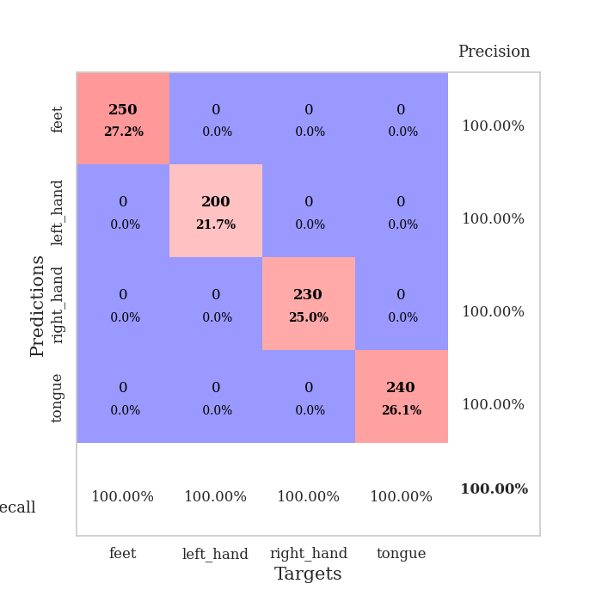
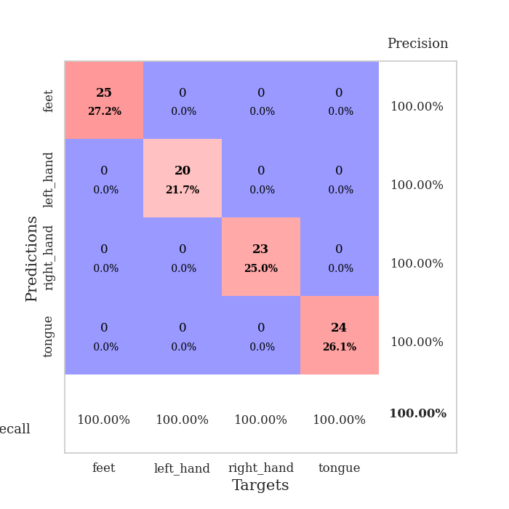
best_val_acc | best_val_los | best_test_acc
1 | 0.0014517124054 | 1
1 | 0.0005915449583 | 1
1 | 0.00085049907363 | 1
1 | 0.00060810309167 | 1
1 | 0.0016534031298 | 1
1 | 0.0015019951085 | 1
1 | 0.00033441791944 | 1
1 | 0.00056363609822 | 1
1 | 0.0010784610843 | 1
1 | 0.0019507123481 | 1

Mean,std Val accuracy is 1.0 , 0.0 and mean, std test accuracy is 1.0 , 0.0

Sheet1
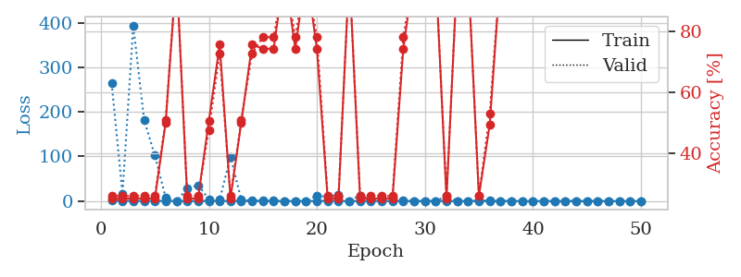
train_loss | valid_loss | train_accuracy | valid_accuracy | dur | train_misclass | valid_misclass
0.94706009782 | 263.90289174 | 0.2527173913 | 0.26086956522 | 1.1572568417 | 25.27173913 | 26.086956522
0.36810527288 | 16.800869817 | 0.2527173913 | 0.26086956522 | 1.1515364647 | 25.27173913 | 26.086956522
0.27964334595 | 394.14951092 | 0.2527173913 | 0.26086956522 | 1.1494231224 | 25.27173913 | 26.086956522
0.26468072402 | 182.04378344 | 0.2527173913 | 0.26086956522 | 1.149813652 | 25.27173913 | 26.086956522
0.29587093453 | 102.09995203 | 0.2527173913 | 0.26086956522 | 1.151393652 | 25.27173913 | 26.086956522
0.41930021427 | 7.6888029472 | 0.5027173913 | 0.51086956522 | 1.1512634754 | 50.27173913 | 51.086956522
0.065080412502 | 0.031900311942 | 1 | 1 | 1.1503989697 | 100 | 100
0.16066523269 | 28.509145985 | 0.2527173913 | 0.26086956522 | 1.1507740021 | 25.27173913 | 26.086956522
0.27645922234 | 35.637124932 | 0.2527173913 | 0.26086956522 | 1.1495389938 | 25.27173913 | 26.086956522
0.29322509858 | 3.9152676852 | 0.50815217391 | 0.47826086957 | 1.1492505074 | 50.815217391 | 47.826086957
0.37206527514 | 2.9863977069 | 0.75815217391 | 0.72826086957 | 1.1498527527 | 75.815217391 | 72.826086957
0.18479764453 | 99.597039264 | 0.2527173913 | 0.26086956522 | 1.149474144 | 25.27173913 | 26.086956522
0.124410865 | 2.9758238119 | 0.5027173913 | 0.51086956522 | 1.1495108604 | 50.27173913 | 51.086956522
0.31640914981 | 1.0860815541 | 0.75815217391 | 0.72826086957 | 1.1495757103 | 75.815217391 | 72.826086957
0.20861141378 | 0.52345166129 | 0.74456521739 | 0.78260869565 | 1.1492474079 | 74.456521739 | 78.260869565
0.17640332821 | 0.57874382579 | 0.74456521739 | 0.78260869565 | 1.1490783691 | 74.456521739 | 78.260869565
0.042874036428 | 0.022163805349 | 1 | 1 | 1.1503384113 | 100 | 100
0.067807435514 | 0.27431165848 | 0.74456521739 | 0.78260869565 | 1.1496677399 | 74.456521739 | 78.260869565
0.05265136921 | 0.0026531874192 | 1 | 1 | 1.1499686241 | 100 | 100
0.30810796651 | 12.683072546 | 0.74456521739 | 0.78260869565 | 1.1516110897 | 74.456521739 | 78.260869565
0.37990602829 | 9.1788945405 | 0.2527173913 | 0.26086956522 | 1.1495714188 | 25.27173913 | 26.086956522
0.19569981791 | 14.97917055 | 0.2527173913 | 0.26086956522 | 1.1502566338 | 25.27173913 | 26.086956522
0.035433797976 | 0.28353106263 | 1 | 1 | 1.1510672569 | 100 | 100
0.10289968058 | 12.725809719 | 0.2527173913 | 0.26086956522 | 1.1498954296 | 25.27173913 | 26.086956522
0.075795538197 | 3.6408847 | 0.2527173913 | 0.26086956522 | 1.15233922 | 25.27173913 | 26.086956522
0.11273007628 | 3.6680184344 | 0.2527173913 | 0.26086956522 | 1.1502068043 | 25.27173913 | 26.086956522
0.19910105802 | 7.3201742794 | 0.2527173913 | 0.26086956522 | 1.1508493423 | 25.27173913 | 26.086956522
0.080981312937 | 2.0905399582 | 0.74456521739 | 0.78260869565 | 1.1502685547 | 74.456521739 | 78.260869565
0.05696148397 | 0.022811466342 | 1 | 1 | 1.1510732174 | 100 | 100
0.082282821182 | 0.011395964772 | 1 | 1 | 1.1500122547 | 100 | 100
0.013351048485 | 0.0020096921058 | 1 | 1 | 1.151279211 | 100 | 100
0.078667523668 | 11.047888756 | 0.2527173913 | 0.26086956522 | 1.1504423618 | 25.27173913 | 26.086956522
0.069822298925 | 0.040889788905 | 1 | 1 | 1.1515665054 | 100 | 100
0.058533534266 | 0.0031041874267 | 1 | 1 | 1.1506845951 | 100 | 100
0.06027101572 | 1.2847273298 | 0.26086956522 | 0.26086956522 | 1.1510775089 | 26.086956522 | 26.086956522
0.13525430366 | 0.51391338784 | 0.49456521739 | 0.53260869565 | 1.1513185501 | 49.456521739 | 53.260869565
0.096107780321 | 0.0056607996863 | 1 | 1 | 1.1516258717 | 100 | 100
0.047464840266 | 0.2213733112 | 1 | 1 | 1.1506810188 | 100 | 100
0.018885008156 | 0.0037628595373 | 1 | 1 | 1.1524164677 | 100 | 100
0.086559297132 | 0.076814053823 | 1 | 1 | 1.1511487961 | 100 | 100
0.009181923648 | 0.0020487648384 | 1 | 1 | 1.1522173882 | 100 | 100
0.018515400502 | 0.0016027510814 | 1 | 1 | 1.1511838436 | 100 | 100
0.14839511639 | 0.0062365397892 | 1 | 1 | 1.1520590782 | 100 | 100
0.022726683235 | 0.0017376287041 | 1 | 1 | 1.1513683796 | 100 | 100
0.072949120279 | 0.0056162742371 | 1 | 1 | 1.1515524387 | 100 | 100
0.040195874187 | 0.003105604768 | 1 | 1 | 1.1509037018 | 100 | 100
0.060785669509 | 0.0033855003244 | 1 | 1 | 1.1521708965 | 100 | 100
0.023015639082 | 0.0014517124054 | 1 | 1 | 1.1513700485 | 100 | 100
0.0095118821507 | 0.0021760371595 | 1 | 1 | 1.1518700123 | 100 | 100
0.032151126743 | 0.0016715299065 | 1 | 1 | 1.1516089439 | 100 | 100

Best Val accuracy is 1.0 and Best test accuracy is 1.0

Sheet2
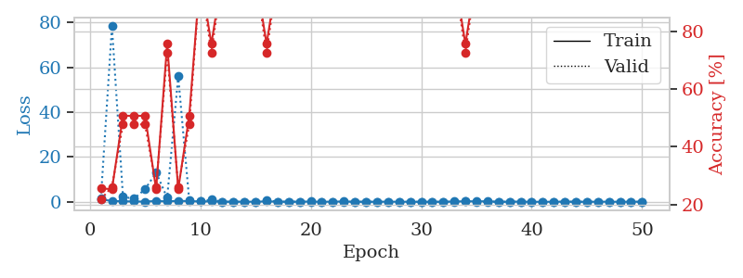
train_loss | valid_loss | train_accuracy | valid_accuracy | dur | train_misclass | valid_misclass
1.1217762491 | 1.4986396199 | 0.25543478261 | 0.21739130435 | 1.1540026665 | 25.543478261 | 21.739130435
0.37886919081 | 78.345123291 | 0.2527173913 | 0.26086956522 | 1.1512262821 | 25.27173913 | 26.086956522
0.24961527793 | 2.198538775 | 0.50815217391 | 0.47826086957 | 1.1492946148 | 50.815217391 | 47.826086957
0.15483807303 | 1.3992160559 | 0.50815217391 | 0.47826086957 | 1.1478374004 | 50.815217391 | 47.826086957
0.097873074569 | 5.6639150537 | 0.50815217391 | 0.47826086957 | 1.1508181095 | 50.815217391 | 47.826086957
0.39254290789 | 13.007752253 | 0.2527173913 | 0.26086956522 | 1.1502327919 | 25.27173913 | 26.086956522
0.18059532047 | 1.818565493 | 0.75815217391 | 0.72826086957 | 1.1524748802 | 75.815217391 | 72.826086957
0.45125681875 | 56.010056205 | 0.2527173913 | 0.26086956522 | 1.1497511864 | 25.27173913 | 26.086956522
0.29751151768 | 0.56693010745 | 0.50815217391 | 0.47826086957 | 1.1499545574 | 50.815217391 | 47.826086957
0.1885674081 | 0.17498485452 | 1 | 1 | 1.1492843628 | 100 | 100
0.19547483863 | 0.95561671257 | 0.75815217391 | 0.72826086957 | 1.1498234272 | 75.815217391 | 72.826086957
0.046020422495 | 0.0057113296352 | 1 | 1 | 1.1491658688 | 100 | 100
0.10927150583 | 0.0095442386506 | 1 | 1 | 1.1493709087 | 100 | 100
0.028444649662 | 0.0045059374432 | 1 | 1 | 1.1493141651 | 100 | 100
0.081807550159 | 0.0022629435761 | 1 | 1 | 1.1488144398 | 100 | 100
0.16868064615 | 0.82744985819 | 0.75815217391 | 0.72826086957 | 1.1490364075 | 75.815217391 | 72.826086957
0.075321434086 | 0.0028465021827 | 1 | 1 | 1.1487710476 | 100 | 100
0.11111982939 | 0.012093935688 | 1 | 1 | 1.1493835449 | 100 | 100
0.05380961673 | 0.0018834549296 | 1 | 1 | 1.1491286755 | 100 | 100
0.13426274349 | 0.0013937713052 | 1 | 1 | 1.1492519379 | 100 | 100
0.02385106841 | 0.0035287466548 | 1 | 1 | 1.1495444775 | 100 | 100
0.090158143997 | 0.029490034865 | 1 | 1 | 1.1492359638 | 100 | 100
0.14597820047 | 0.0033138692379 | 1 | 1 | 1.1497716904 | 100 | 100
0.055050336219 | 0.0061943560798 | 1 | 1 | 1.1496388912 | 100 | 100
0.062014502342 | 0.0019993509733 | 1 | 1 | 1.149576664 | 100 | 100
0.022979928512 | 0.001470380569 | 1 | 1 | 1.1500504017 | 100 | 100
0.091103633076 | 0.0014799290904 | 1 | 1 | 1.1503469944 | 100 | 100
0.036822292691 | 0.0081616904506 | 1 | 1 | 1.1505379677 | 100 | 100
0.044626711655 | 0.0010536166019 | 1 | 1 | 1.1510987282 | 100 | 100
0.022546432183 | 0.001842398409 | 1 | 1 | 1.1506168842 | 100 | 100
0.014926765446 | 0.0005915449583 | 1 | 1 | 1.1506233215 | 100 | 100
0.059309766279 | 0.0014726469425 | 1 | 1 | 1.1500108242 | 100 | 100
0.1406942976 | 0.0014262879217 | 1 | 1 | 1.1515367031 | 100 | 100
0.23439305823 | 0.34151769462 | 0.75815217391 | 0.72826086957 | 1.1508564949 | 75.815217391 | 72.826086957
0.22662959532 | 0.018527410439 | 1 | 1 | 1.1514418125 | 100 | 100
0.24261934414 | 0.0015489485915 | 1 | 1 | 1.1506412029 | 100 | 100
0.035236224264 | 0.013553771109 | 1 | 1 | 1.1507432461 | 100 | 100
0.066967986919 | 0.0021249739271 | 1 | 1 | 1.1508350372 | 100 | 100
0.10715431822 | 0.0026353904674 | 1 | 1 | 1.1508734226 | 100 | 100
0.012481585854 | 0.0022599776174 | 1 | 1 | 1.1513488293 | 100 | 100
0.018874102611 | 0.0015695403411 | 1 | 1 | 1.1511325836 | 100 | 100
0.025746147072 | 0.0015197929815 | 1 | 1 | 1.1512176991 | 100 | 100
0.092923653849 | 0.0013877457342 | 1 | 1 | 1.1514136791 | 100 | 100
0.058690072275 | 0.0014487178389 | 1 | 1 | 1.1524488926 | 100 | 100
0.021344006274 | 0.001506552986 | 1 | 1 | 1.1513104439 | 100 | 100
0.055501700379 | 0.0017444029471 | 1 | 1 | 1.1513404846 | 100 | 100
0.072481478863 | 0.0014026042671 | 1 | 1 | 1.1515965462 | 100 | 100
0.010681788154 | 0.0013754836729 | 1 | 1 | 1.1516268253 | 100 | 100
0.077911202148 | 0.0011717810792 | 1 | 1 | 1.1517314911 | 100 | 100
0.052230360029 | 0.0013027394636 | 1 | 1 | 1.1521141529 | 100 | 100

Best Val accuracy is 1.0 and Best test accuracy is 1.0

Sheet3
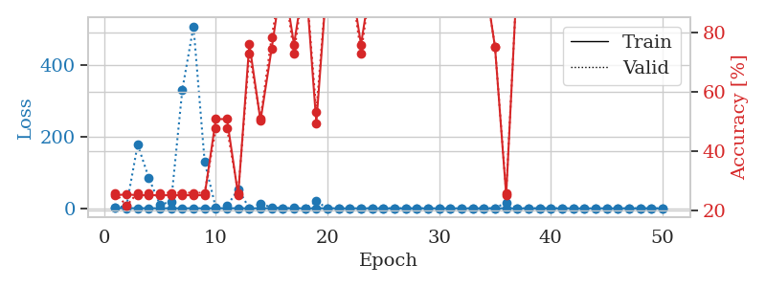
train_loss | valid_loss | train_accuracy | valid_accuracy | dur | train_misclass | valid_misclass
0.86416903268 | 2.5025467769 | 0.2527173913 | 0.26086956522 | 1.1558551788 | 25.27173913 | 26.086956522
0.43342461988 | 6.4410701213 | 0.25543478261 | 0.21739130435 | 1.1489634514 | 25.543478261 | 21.739130435
0.38608515522 | 177.66226395 | 0.2527173913 | 0.26086956522 | 1.1511454582 | 25.27173913 | 26.086956522
0.29462918866 | 84.328802026 | 0.2527173913 | 0.26086956522 | 1.1513855457 | 25.27173913 | 26.086956522
0.29598803996 | 9.8244759518 | 0.2527173913 | 0.26086956522 | 1.1500680447 | 25.27173913 | 26.086956522
0.15261159197 | 19.007500773 | 0.2527173913 | 0.26086956522 | 1.1517949104 | 25.27173913 | 26.086956522
0.11043877223 | 330.82233329 | 0.2527173913 | 0.26086956522 | 1.1505615711 | 25.27173913 | 26.086956522
0.22023475174 | 507.13808939 | 0.2527173913 | 0.26086956522 | 1.1501898766 | 25.27173913 | 26.086956522
0.16419944449 | 129.33932197 | 0.2527173913 | 0.26086956522 | 1.1507816315 | 25.27173913 | 26.086956522
0.2910791841 | 1.0620400698 | 0.50815217391 | 0.47826086957 | 1.1504251957 | 50.815217391 | 47.826086957
0.27269414673 | 6.5205925859 | 0.50815217391 | 0.47826086957 | 1.1512281895 | 50.815217391 | 47.826086957
0.34307556136 | 52.825095965 | 0.2527173913 | 0.26086956522 | 1.1498339176 | 25.27173913 | 26.086956522
0.13130180863 | 0.21492070996 | 0.76086956522 | 0.72826086957 | 1.1493282318 | 76.086956522 | 72.826086957
0.21418863835 | 12.399821447 | 0.5027173913 | 0.51086956522 | 1.1512255669 | 50.27173913 | 51.086956522
0.21799877514 | 2.9543529386 | 0.74456521739 | 0.78260869565 | 1.1494860649 | 74.456521739 | 78.260869565
0.191475684 | 0.029952116797 | 1 | 1 | 1.1507365704 | 100 | 100
0.085524015625 | 0.74493105386 | 0.75815217391 | 0.72826086957 | 1.1501176357 | 75.815217391 | 72.826086957
0.15608052776 | 0.084947191827 | 1 | 1 | 1.1493120193 | 100 | 100
0.21407645961 | 19.319643767 | 0.49456521739 | 0.53260869565 | 1.1501202583 | 49.456521739 | 53.260869565
0.081691125398 | 0.18364147874 | 1 | 1 | 1.1485288143 | 100 | 100
0.17037196675 | 0.06340400907 | 1 | 1 | 1.1489803791 | 100 | 100
0.037959016657 | 0.0033774734171 | 1 | 1 | 1.1490287781 | 100 | 100
0.23081817951 | 0.39447245261 | 0.75815217391 | 0.72826086957 | 1.1493229866 | 75.815217391 | 72.826086957
0.070446683813 | 0.0053408950891 | 1 | 1 | 1.1497833729 | 100 | 100
0.027802077178 | 0.002499830494 | 1 | 1 | 1.1497199535 | 100 | 100
0.012735989927 | 0.0015553795409 | 1 | 1 | 1.1496231556 | 100 | 100
0.043546160546 | 0.016117987021 | 1 | 1 | 1.1500997543 | 100 | 100
0.013057063455 | 0.0023053857275 | 1 | 1 | 1.1498622894 | 100 | 100
0.078150856645 | 0.0025607899904 | 1 | 1 | 1.1510181427 | 100 | 100
0.033659227486 | 0.0017500378485 | 1 | 1 | 1.1503322124 | 100 | 100
0.096810057025 | 0.048090767439 | 1 | 1 | 1.1498596668 | 100 | 100
0.064778171444 | 0.2135583253 | 1 | 1 | 1.150657177 | 100 | 100
0.018688021871 | 0.0013807327335 | 1 | 1 | 1.1509709358 | 100 | 100
0.070640920418 | 0.026034259116 | 1 | 1 | 1.150251627 | 100 | 100
0.03112803806 | 0.28222719871 | 0.75 | 0.75 | 1.1502923965 | 75 | 75
0.1455239403 | 16.287851458 | 0.2527173913 | 0.26086956522 | 1.1507260799 | 25.27173913 | 26.086956522
0.013471678876 | 0.055570002159 | 1 | 1 | 1.1512701511 | 100 | 100
0.011840286938 | 0.0011687401895 | 1 | 1 | 1.1509466171 | 100 | 100
0.0050256855472 | 0.0009343883544 | 1 | 1 | 1.1515610218 | 100 | 100
0.0048963411321 | 0.00085049907363 | 1 | 1 | 1.1514453888 | 100 | 100
0.026760625817 | 0.0010346090168 | 1 | 1 | 1.1509945393 | 100 | 100
0.0080983919021 | 0.00096807416286 | 1 | 1 | 1.1515617371 | 100 | 100
0.0066065791407 | 0.0009567079276 | 1 | 1 | 1.15143013 | 100 | 100
0.0067781489089 | 0.00087080279406 | 1 | 1 | 1.1518700123 | 100 | 100
0.076925828732 | 0.00092802352636 | 1 | 1 | 1.1513435841 | 100 | 100
0.055814987226 | 0.00088697491447 | 1 | 1 | 1.1515631676 | 100 | 100
0.012422165712 | 0.0010145392178 | 1 | 1 | 1.1511104107 | 100 | 100
0.01315571002 | 0.00088431278203 | 1 | 1 | 1.1520631313 | 100 | 100
0.01418021815 | 0.00098540954312 | 1 | 1 | 1.1544725895 | 100 | 100
0.009049189487 | 0.00097906007431 | 1 | 1 | 1.1510920525 | 100 | 100

Best Val accuracy is 1.0 and Best test accuracy is 1.0

Sheet4
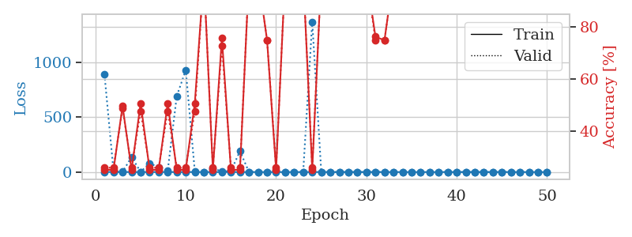
train_loss | valid_loss | train_accuracy | valid_accuracy | dur | train_misclass | valid_misclass
1.0057394479 | 888.22370712 | 0.2527173913 | 0.26086956522 | 1.1543643475 | 25.27173913 | 26.086956522
0.56470211692 | 8.1929567793 | 0.2527173913 | 0.26086956522 | 1.1476721764 | 25.27173913 | 26.086956522
0.27370712615 | 1.7626603375 | 0.4972826087 | 0.48913043478 | 1.1498856544 | 49.72826087 | 48.913043478
0.2458131119 | 136.58831455 | 0.2527173913 | 0.26086956522 | 1.14914608 | 25.27173913 | 26.086956522
0.12044239303 | 1.3383144555 | 0.50815217391 | 0.47826086957 | 1.1497151852 | 50.815217391 | 47.826086957
0.29479023555 | 80.683529729 | 0.2527173913 | 0.26086956522 | 1.1504220963 | 25.27173913 | 26.086956522
0.18866133406 | 41.524143385 | 0.2527173913 | 0.26086956522 | 1.1511666775 | 25.27173913 | 26.086956522
0.15600934649 | 11.179451839 | 0.50815217391 | 0.47826086957 | 1.1515469551 | 50.815217391 | 47.826086957
0.17955773012 | 690.80668308 | 0.2527173913 | 0.26086956522 | 1.1499459743 | 25.27173913 | 26.086956522
0.24480251417 | 927.57233993 | 0.2527173913 | 0.26086956522 | 1.1506924629 | 25.27173913 | 26.086956522
0.10807314033 | 5.9415097651 | 0.50815217391 | 0.47826086957 | 1.6412031651 | 50.815217391 | 47.826086957
0.19366375974 | 0.077611506309 | 1 | 1 | 1.5624229908 | 100 | 100
0.16688592426 | 35.526725437 | 0.2527173913 | 0.26086956522 | 1.5860588551 | 25.27173913 | 26.086956522
0.089252147945 | 3.6892494948 | 0.75815217391 | 0.72826086957 | 1.548861742 | 75.815217391 | 72.826086957
0.47971442929 | 9.5881015943 | 0.2527173913 | 0.26086956522 | 1.6962621212 | 25.27173913 | 26.086956522
0.12097765878 | 189.37041639 | 0.2527173913 | 0.26086956522 | 1.5665614605 | 25.27173913 | 26.086956522
0.065010024964 | 0.021861397621 | 1 | 1 | 1.5762431622 | 100 | 100
0.011806959691 | 0.012104521627 | 1 | 1 | 1.3559777737 | 100 | 100
0.029012493992 | 0.73083014074 | 0.75 | 0.75 | 1.149766922 | 75 | 75
0.0094526486431 | 12.645683413 | 0.2527173913 | 0.26086956522 | 1.1496555805 | 25.27173913 | 26.086956522
0.018773051789 | 0.035195872026 | 1 | 1 | 1.1491425037 | 100 | 100
0.010278877757 | 0.012519955959 | 1 | 1 | 1.1500122547 | 100 | 100
0.010876669546 | 0.00079435923987 | 1 | 1 | 1.1499855518 | 100 | 100
0.14759255196 | 1367.9579494 | 0.2527173913 | 0.26086956522 | 1.1497130394 | 25.27173913 | 26.086956522
0.16008635943 | 0.18092468349 | 1 | 1 | 1.1498556137 | 100 | 100
0.034386350581 | 0.0035040450343 | 1 | 1 | 1.1497633457 | 100 | 100
0.022741918756 | 0.0028860062543 | 1 | 1 | 1.1523857117 | 100 | 100
0.023990377207 | 0.0018898121223 | 1 | 1 | 1.1499333382 | 100 | 100
0.0053260319856 | 0.00098104211097 | 1 | 1 | 1.1509609222 | 100 | 100
0.14528603376 | 0.0172352015 | 1 | 1 | 1.1512832642 | 100 | 100
0.093054813783 | 0.31337048049 | 0.76358695652 | 0.75 | 1.1522772312 | 76.358695652 | 75
0.046581417246 | 1.0926792414 | 0.75 | 0.75 | 1.1524493694 | 75 | 75
0.013481993896 | 0.0085562268758 | 1 | 1 | 1.1522717476 | 100 | 100
0.0076798996129 | 0.002303872217 | 1 | 1 | 1.1527068615 | 100 | 100
0.0049744518322 | 0.001241006524 | 1 | 1 | 1.1533038616 | 100 | 100
0.003024621444 | 0.0010473348868 | 1 | 1 | 1.1529576778 | 100 | 100
0.0017941302276 | 0.00086018839173 | 1 | 1 | 1.1541137695 | 100 | 100
0.0067042732971 | 0.0011474051862 | 1 | 1 | 1.1532995701 | 100 | 100
0.0076736200464 | 0.0020639706889 | 1 | 1 | 1.1539337635 | 100 | 100
0.0045743112645 | 0.00093965555045 | 1 | 1 | 1.1534368992 | 100 | 100
0.15738578488 | 0.0017172522367 | 1 | 1 | 1.1527748108 | 100 | 100
0.017556632897 | 0.0010143281011 | 1 | 1 | 1.1536316872 | 100 | 100
0.011369763135 | 0.0012871776961 | 1 | 1 | 1.1529741287 | 100 | 100
0.003572073426 | 0.0011781057616 | 1 | 1 | 1.1536774635 | 100 | 100
0.15171549932 | 0.00087994479058 | 1 | 1 | 1.1538348198 | 100 | 100
0.1082092079 | 0.00060810309167 | 1 | 1 | 1.1534063816 | 100 | 100
0.006246653097 | 0.00068752570888 | 1 | 1 | 1.1545763016 | 100 | 100
0.0024406381291 | 0.00075578493441 | 1 | 1 | 1.1538288593 | 100 | 100
0.0029496706228 | 0.00067951388242 | 1 | 1 | 1.1551828384 | 100 | 100
0.0088988567966 | 0.00064088327243 | 1 | 1 | 1.1544997692 | 100 | 100

Best Val accuracy is 1.0 and Best test accuracy is 1.0

Sheet5
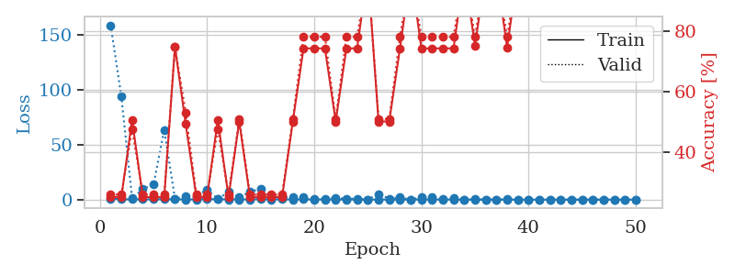
train_loss | valid_loss | train_accuracy | valid_accuracy | dur | train_misclass | valid_misclass
0.94654372464 | 158.83310136 | 0.2527173913 | 0.26086956522 | 1.1512861252 | 25.27173913 | 26.086956522
0.39150667903 | 93.886383388 | 0.2527173913 | 0.26086956522 | 1.1487529278 | 25.27173913 | 26.086956522
0.2411520899 | 1.0865349536 | 0.50815217391 | 0.47826086957 | 1.1504087448 | 50.815217391 | 47.826086957
0.22200867048 | 9.7530450821 | 0.2527173913 | 0.26086956522 | 1.149305582 | 25.27173913 | 26.086956522
0.37918046603 | 13.587554558 | 0.2527173913 | 0.26086956522 | 1.1502094269 | 25.27173913 | 26.086956522
0.31342823342 | 63.566375732 | 0.2527173913 | 0.26086956522 | 1.1519932747 | 25.27173913 | 26.086956522
0.31829515901 | 0.82549729036 | 0.75 | 0.75 | 1.1520369053 | 75 | 75
0.16160951 | 2.7066320647 | 0.49456521739 | 0.53260869565 | 1.152752161 | 49.456521739 | 53.260869565
0.15753540923 | 3.3546983781 | 0.2527173913 | 0.26086956522 | 1.1528499126 | 25.27173913 | 26.086956522
0.51097336687 | 9.0187710886 | 0.2527173913 | 0.26086956522 | 1.1535429955 | 25.27173913 | 26.086956522
0.2510328914 | 0.62750664742 | 0.50815217391 | 0.47826086957 | 1.1521408558 | 50.815217391 | 47.826086957
0.19926898275 | 6.9851481189 | 0.2527173913 | 0.26086956522 | 1.1521160603 | 25.27173913 | 26.086956522
0.18457056716 | 2.0822395294 | 0.5027173913 | 0.51086956522 | 1.1521840096 | 50.27173913 | 51.086956522
0.19946266875 | 6.9518331237 | 0.2527173913 | 0.26086956522 | 1.1502428055 | 25.27173913 | 26.086956522
0.47940761086 | 10.033917012 | 0.2527173913 | 0.26086956522 | 1.1525313854 | 25.27173913 | 26.086956522
0.08024427813 | 1.4748263515 | 0.2527173913 | 0.26086956522 | 1.1533136368 | 25.27173913 | 26.086956522
0.39565831625 | 2.6774033153 | 0.2527173913 | 0.26086956522 | 1.1525168419 | 25.27173913 | 26.086956522
0.093678502649 | 2.1739805729 | 0.5027173913 | 0.51086956522 | 1.1519165039 | 50.27173913 | 51.086956522
0.36836827508 | 1.9355334976 | 0.74456521739 | 0.78260869565 | 1.1539983749 | 74.456521739 | 78.260869565
0.11721338237 | 0.69206591534 | 0.74456521739 | 0.78260869565 | 1.1544070244 | 74.456521739 | 78.260869565
0.15663171556 | 0.26410690533 | 0.74456521739 | 0.78260869565 | 1.1519458294 | 74.456521739 | 78.260869565
0.086651920564 | 1.6980026338 | 0.5027173913 | 0.51086956522 | 1.1516640186 | 50.27173913 | 51.086956522
0.097499088344 | 0.81035688908 | 0.74456521739 | 0.78260869565 | 1.152438879 | 74.456521739 | 78.260869565
0.065012691401 | 0.9234576018 | 0.74456521739 | 0.78260869565 | 1.163285017 | 74.456521739 | 78.260869565
0.030254819005 | 0.049795889336 | 1 | 1 | 1.1521072388 | 100 | 100
0.046050410697 | 5.0256290747 | 0.5027173913 | 0.51086956522 | 1.1539008617 | 50.27173913 | 51.086956522
0.038787467395 | 0.88184962324 | 0.5027173913 | 0.51086956522 | 1.1535148621 | 50.27173913 | 51.086956522
0.11830390195 | 1.9795024861 | 0.74456521739 | 0.78260869565 | 1.152586937 | 74.456521739 | 78.260869565
0.16531817994 | 0.10860811725 | 1 | 1 | 1.1520597935 | 100 | 100
0.03497661471 | 1.8801335304 | 0.74456521739 | 0.78260869565 | 1.1524252892 | 74.456521739 | 78.260869565
0.15266689788 | 2.3666795492 | 0.74456521739 | 0.78260869565 | 1.1515910625 | 74.456521739 | 78.260869565
0.10927568451 | 0.71132667946 | 0.74456521739 | 0.78260869565 | 1.1523439884 | 74.456521739 | 78.260869565
0.021537951103 | 1.1282118507 | 0.74456521739 | 0.78260869565 | 1.1524751186 | 74.456521739 | 78.260869565
0.0075554571965 | 0.019453496713 | 1 | 1 | 1.1514437199 | 100 | 100
0.0090648847146 | 0.27730881714 | 0.7527173913 | 0.78260869565 | 1.1516280174 | 75.27173913 | 78.260869565
0.010577756456 | 0.048796560291 | 1 | 1 | 1.1533637047 | 100 | 100
0.0054771813473 | 0.0043569578303 | 1 | 1 | 1.1517622471 | 100 | 100
0.014542774115 | 0.27851011183 | 0.7472826087 | 0.78260869565 | 1.1534540653 | 74.72826087 | 78.260869565
0.0062728941684 | 0.023101440347 | 1 | 1 | 1.1522674561 | 100 | 100
0.0046121513866 | 0.0016534031298 | 1 | 1 | 1.1526818275 | 100 | 100
0.0051607851486 | 0.0019490984268 | 1 | 1 | 1.1530072689 | 100 | 100
0.024409805566 | 0.0057281674412 | 1 | 1 | 1.1524436474 | 100 | 100
0.053844026918 | 0.011610275337 | 1 | 1 | 1.1530640125 | 100 | 100
0.0078428188875 | 0.0028168884936 | 1 | 1 | 1.1536462307 | 100 | 100
0.0062647248345 | 0.0030675211658 | 1 | 1 | 1.1536765099 | 100 | 100
0.0056267049892 | 0.0041424220266 | 1 | 1 | 1.1534636021 | 100 | 100
0.020275269088 | 0.0078277559546 | 1 | 1 | 1.1547617912 | 100 | 100
0.016761950759 | 0.0050526517038 | 1 | 1 | 1.1543908119 | 100 | 100
0.012996038989 | 0.0044664609165 | 1 | 1 | 1.1541161537 | 100 | 100
0.03625611144 | 0.0040394820313 | 1 | 1 | 1.1542863846 | 100 | 100

Best Val accuracy is 1.0 and Best test accuracy is 1.0

Sheet6
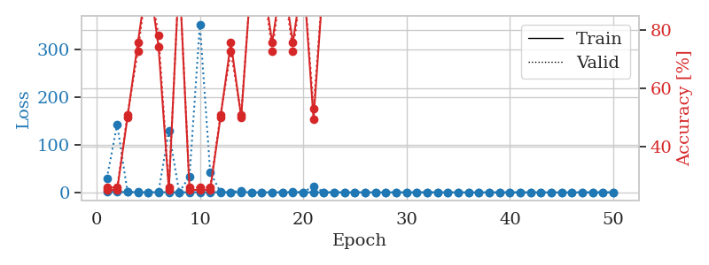
train_loss | valid_loss | train_accuracy | valid_accuracy | dur | train_misclass | valid_misclass
1.181425701 | 29.546094148 | 0.2527173913 | 0.26086956522 | 1.1532595158 | 25.27173913 | 26.086956522
0.69876996071 | 142.7425703 | 0.2527173913 | 0.26086956522 | 1.1483778954 | 25.27173913 | 26.086956522
0.58980379804 | 0.69877927848 | 0.5027173913 | 0.51086956522 | 1.1510145664 | 50.27173913 | 51.086956522
0.30683165724 | 0.49572134407 | 0.75815217391 | 0.72826086957 | 1.152559042 | 75.815217391 | 72.826086957
0.23490808872 | 0.069969607112 | 1 | 1 | 1.1530065536 | 100 | 100
0.30620357103 | 1.3562968607 | 0.74456521739 | 0.78260869565 | 1.1500506401 | 74.456521739 | 78.260869565
0.19747312254 | 128.86470795 | 0.2527173913 | 0.26086956522 | 1.1524999142 | 25.27173913 | 26.086956522
0.096027712297 | 0.026590930136 | 1 | 1 | 1.1532280445 | 100 | 100
0.16778707091 | 33.636539708 | 0.2527173913 | 0.26086956522 | 1.1523420811 | 25.27173913 | 26.086956522
0.34001714615 | 353.2023886 | 0.2527173913 | 0.26086956522 | 1.1522314548 | 25.27173913 | 26.086956522
0.2526998202 | 42.27835365 | 0.2527173913 | 0.26086956522 | 1.1541240215 | 25.27173913 | 26.086956522
0.12420525963 | 0.46134168298 | 0.5027173913 | 0.51086956522 | 1.1532480717 | 50.27173913 | 51.086956522
0.1312735098 | 0.35036032938 | 0.75815217391 | 0.72826086957 | 1.1528010368 | 75.815217391 | 72.826086957
0.36587931916 | 4.0634735667 | 0.5027173913 | 0.51086956522 | 1.1527657509 | 50.27173913 | 51.086956522
0.29452792231 | 0.061299839259 | 1 | 1 | 1.1560258865 | 100 | 100
0.13704295758 | 0.075795199074 | 1 | 1 | 1.1528446674 | 100 | 100
0.26850744007 | 0.3338913004 | 0.75815217391 | 0.72826086957 | 1.1546931267 | 75.815217391 | 72.826086957
0.034936634641 | 0.00825742373 | 1 | 1 | 1.1539649963 | 100 | 100
0.23840257434 | 0.97657799462 | 0.75815217391 | 0.72826086957 | 1.1551392078 | 75.815217391 | 72.826086957
0.24064808647 | 0.012132348209 | 1 | 1 | 1.1541569233 | 100 | 100
0.076024902934 | 13.411874564 | 0.49456521739 | 0.53260869565 | 1.1537098885 | 49.456521739 | 53.260869565
0.21408891373 | 0.023972427958 | 1 | 1 | 1.1540827751 | 100 | 100
0.0085017685576 | 0.0035684945001 | 1 | 1 | 1.1544570923 | 100 | 100
0.031416772865 | 0.0025073245633 | 1 | 1 | 1.153873682 | 100 | 100
0.069059007325 | 0.018862987099 | 1 | 1 | 1.153393507 | 100 | 100
0.21034719763 | 0.047341913633 | 1 | 1 | 1.1528456211 | 100 | 100
0.046607092539 | 0.019761704921 | 1 | 1 | 1.1531555653 | 100 | 100
0.026068608479 | 0.0030496591378 | 1 | 1 | 1.1535043716 | 100 | 100
0.14130923825 | 0.0073892121689 | 1 | 1 | 1.1537184715 | 100 | 100
0.035998242715 | 0.0023037016129 | 1 | 1 | 1.1534314156 | 100 | 100
0.097177350899 | 0.0026488564099 | 1 | 1 | 1.1530375481 | 100 | 100
0.11498049808 | 0.0056607522394 | 1 | 1 | 1.1538972855 | 100 | 100
0.15011399291 | 0.0039924296105 | 1 | 1 | 1.1540036201 | 100 | 100
0.12151311668 | 0.0023251062907 | 1 | 1 | 1.1546883583 | 100 | 100
0.067789866579 | 0.0021669458871 | 1 | 1 | 1.1524190903 | 100 | 100
0.031780168136 | 0.0020977956061 | 1 | 1 | 1.1535763741 | 100 | 100
0.030510321558 | 0.0020553959311 | 1 | 1 | 1.1531689167 | 100 | 100
0.044236948693 | 0.0018811596294 | 1 | 1 | 1.1542801857 | 100 | 100
0.020218770759 | 0.0019193144272 | 1 | 1 | 1.153239727 | 100 | 100
0.052369166287 | 0.0015019951085 | 1 | 1 | 1.1540780067 | 100 | 100
0.017486079647 | 0.0017171419458 | 1 | 1 | 1.1545922756 | 100 | 100
0.0064478728556 | 0.0016465873265 | 1 | 1 | 1.1540086269 | 100 | 100
0.04305816132 | 0.0018063624612 | 1 | 1 | 1.1540560722 | 100 | 100
0.014178630947 | 0.0015255832569 | 1 | 1 | 1.1537671089 | 100 | 100
0.01441376301 | 0.0019088260141 | 1 | 1 | 1.154091835 | 100 | 100
0.069402024459 | 0.0019305403567 | 1 | 1 | 1.1538126469 | 100 | 100
0.0043748505135 | 0.0017391207587 | 1 | 1 | 1.1550090313 | 100 | 100
0.0094782784024 | 0.0017236245027 | 1 | 1 | 1.1540949345 | 100 | 100
0.055133374575 | 0.0018198723075 | 1 | 1 | 1.1556384563 | 100 | 100
0.08348864648 | 0.0016645240729 | 1 | 1 | 1.1547420025 | 100 | 100

Best Val accuracy is 1.0 and Best test accuracy is 1.0

Sheet7
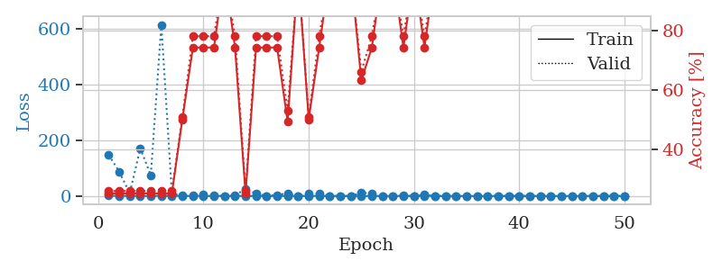
train_loss | valid_loss | train_accuracy | valid_accuracy | dur | train_misclass | valid_misclass
1.0227150762 | 147.38527049 | 0.2527173913 | 0.26086956522 | 1.1572670937 | 25.27173913 | 26.086956522
0.49238692483 | 87.769047281 | 0.2527173913 | 0.26086956522 | 1.1501085758 | 25.27173913 | 26.086956522
0.35259365841 | 9.732999926 | 0.2527173913 | 0.26086956522 | 1.1527662277 | 25.27173913 | 26.086956522
0.15275220945 | 170.99971008 | 0.2527173913 | 0.26086956522 | 1.1533312798 | 25.27173913 | 26.086956522
0.1577234646 | 74.804159413 | 0.2527173913 | 0.26086956522 | 1.1531093121 | 25.27173913 | 26.086956522
0.64905052146 | 615.08297331 | 0.2527173913 | 0.26086956522 | 1.1522240639 | 25.27173913 | 26.086956522
0.34334570882 | 9.1003053292 | 0.2527173913 | 0.26086956522 | 1.1507031918 | 25.27173913 | 26.086956522
0.14943724863 | 1.1527008466 | 0.5027173913 | 0.51086956522 | 1.1517879963 | 50.27173913 | 51.086956522
0.18436597045 | 2.1088124151 | 0.74456521739 | 0.78260869565 | 1.1540198326 | 74.456521739 | 78.260869565
0.28171128666 | 5.1751942116 | 0.74456521739 | 0.78260869565 | 1.1529486179 | 74.456521739 | 78.260869565
0.095264767661 | 2.1512071724 | 0.74456521739 | 0.78260869565 | 1.1509590149 | 74.456521739 | 78.260869565
0.1306072516 | 0.11019034101 | 1 | 1 | 1.151184082 | 100 | 100
0.11495782559 | 1.4182180633 | 0.74456521739 | 0.78260869565 | 1.1543624401 | 74.456521739 | 78.260869565
0.11926996603 | 26.286144422 | 0.2527173913 | 0.26086956522 | 1.1630842686 | 25.27173913 | 26.086956522
0.089196774562 | 8.3008500182 | 0.74456521739 | 0.78260869565 | 1.1488847733 | 74.456521739 | 78.260869565
0.046307882152 | 0.34883136335 | 0.74456521739 | 0.78260869565 | 1.1489555836 | 74.456521739 | 78.260869565
0.068632849452 | 3.2393760785 | 0.74456521739 | 0.78260869565 | 1.1494729519 | 74.456521739 | 78.260869565
0.046491885664 | 10.142213199 | 0.49456521739 | 0.53260869565 | 1.1493279934 | 49.456521739 | 53.260869565
0.020864423344 | 0.0092363244773 | 1 | 1 | 1.1497612 | 100 | 100
0.28338084348 | 8.0106852366 | 0.5027173913 | 0.51086956522 | 1.1501779556 | 50.27173913 | 51.086956522
0.077488139859 | 8.1675002264 | 0.74456521739 | 0.78260869565 | 1.1499764919 | 74.456521739 | 78.260869565
0.049351228826 | 0.015053492282 | 1 | 1 | 1.1497972012 | 100 | 100
0.011997713857 | 0.0016813854606 | 1 | 1 | 1.1501727104 | 100 | 100
0.16624519318 | 0.007387130339 | 1 | 1 | 1.1506578922 | 100 | 100
0.042761003649 | 11.010014866 | 0.63315217391 | 0.66304347826 | 1.1495044231 | 63.315217391 | 66.304347826
0.025877674454 | 9.8452721264 | 0.74456521739 | 0.78260869565 | 1.1500067711 | 74.456521739 | 78.260869565
0.16559690214 | 0.066703338662 | 1 | 1 | 1.1504750252 | 100 | 100
0.037497742982 | 0.0050073061746 | 1 | 1 | 1.1507968903 | 100 | 100
0.2110562731 | 2.2440402249 | 0.74456521739 | 0.78260869565 | 1.1502051353 | 74.456521739 | 78.260869565
0.027627625219 | 0.0025183775503 | 1 | 1 | 1.1512031555 | 100 | 100
0.23044508123 | 4.7597903687 | 0.74456521739 | 0.78260869565 | 1.1508946419 | 74.456521739 | 78.260869565
0.041589142137 | 0.0012078477809 | 1 | 1 | 1.1503179073 | 100 | 100
0.012875187684 | 0.00091186500124 | 1 | 1 | 1.1508595943 | 100 | 100
0.0033643020889 | 0.00049327395517 | 1 | 1 | 1.1520044804 | 100 | 100
0.0146740891 | 0.0011185694526 | 1 | 1 | 1.1508784294 | 100 | 100
0.010222740383 | 0.00059693455241 | 1 | 1 | 1.1522424221 | 100 | 100
0.019103003286 | 0.00054288086476 | 1 | 1 | 1.1539363861 | 100 | 100
0.0010963065636 | 0.00062992563218 | 1 | 1 | 1.1509575844 | 100 | 100
0.0017493664421 | 0.00053964771644 | 1 | 1 | 1.1513142586 | 100 | 100
0.12301122409 | 0.0086073797075 | 1 | 1 | 1.1518800259 | 100 | 100
0.012340741621 | 0.000388730864 | 1 | 1 | 1.1517593861 | 100 | 100
0.0052899992025 | 0.00041432744499 | 1 | 1 | 1.1497893333 | 100 | 100
0.0053449187114 | 0.00041600338401 | 1 | 1 | 1.1503372192 | 100 | 100
0.0033571882396 | 0.00038280335518 | 1 | 1 | 1.1510756016 | 100 | 100
0.0039855980367 | 0.00038922223662 | 1 | 1 | 1.1520192623 | 100 | 100
0.0020130272896 | 0.00042158120271 | 1 | 1 | 1.1519854069 | 100 | 100
0.0050822725525 | 0.00037230639946 | 1 | 1 | 1.1515359879 | 100 | 100
0.0020719327971 | 0.00036427767507 | 1 | 1 | 1.1515324116 | 100 | 100
0.0026237010202 | 0.00033441791944 | 1 | 1 | 1.1521608829 | 100 | 100
0.0056145122685 | 0.00035107067569 | 1 | 1 | 1.1528275013 | 100 | 100

Best Val accuracy is 1.0 and Best test accuracy is 1.0

Sheet8
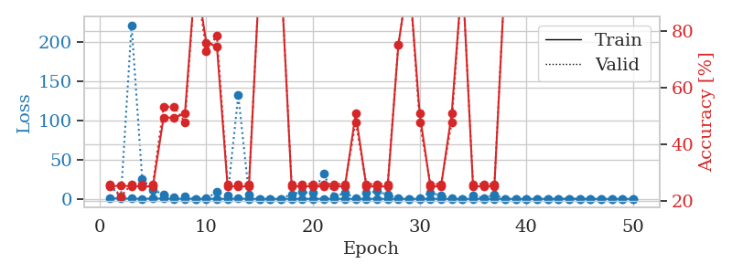
train_loss | valid_loss | train_accuracy | valid_accuracy | dur | train_misclass | valid_misclass
0.85206903064 | 16.746223491 | 0.2527173913 | 0.26086956522 | 1.1552834511 | 25.27173913 | 26.086956522
0.40782638283 | 1.8120858462 | 0.25543478261 | 0.21739130435 | 1.1502480507 | 25.543478261 | 21.739130435
0.34730213038 | 221.58972632 | 0.2527173913 | 0.26086956522 | 1.1491725445 | 25.27173913 | 26.086956522
0.098877894814 | 25.064778618 | 0.2527173913 | 0.26086956522 | 1.1494529247 | 25.27173913 | 26.086956522
0.4593112165 | 11.678418408 | 0.2527173913 | 0.26086956522 | 1.1496794224 | 25.27173913 | 26.086956522
0.36126054305 | 5.6292676718 | 0.49456521739 | 0.53260869565 | 1.1488842964 | 49.456521739 | 53.260869565
0.14573409113 | 1.4903375221 | 0.49456521739 | 0.53260869565 | 1.149412632 | 49.456521739 | 53.260869565
0.16463300691 | 3.6496564098 | 0.50815217391 | 0.47826086957 | 1.1477816105 | 50.815217391 | 47.826086957
0.075239600573 | 0.023332457908 | 1 | 1 | 1.1490564346 | 100 | 100
0.12812001593 | 0.5132474368 | 0.75815217391 | 0.72826086957 | 1.1500988007 | 75.815217391 | 72.826086957
0.11343454524 | 8.7457035935 | 0.74456521739 | 0.78260869565 | 1.1484072208 | 74.456521739 | 78.260869565
0.067874412154 | 3.8596055922 | 0.2527173913 | 0.26086956522 | 1.1475377083 | 25.27173913 | 26.086956522
0.29112393863 | 131.92023402 | 0.2527173913 | 0.26086956522 | 1.1488580704 | 25.27173913 | 26.086956522
0.14545498495 | 6.0533410155 | 0.2527173913 | 0.26086956522 | 1.1486384869 | 25.27173913 | 26.086956522
0.10461176899 | 0.2002225732 | 1 | 1 | 1.1490082741 | 100 | 100
0.020130012336 | 0.003472663776 | 1 | 1 | 1.1490678787 | 100 | 100
0.01282054604 | 0.0028005324952 | 1 | 1 | 1.1490175724 | 100 | 100
0.12911060252 | 6.0782258614 | 0.2527173913 | 0.26086956522 | 1.1489815712 | 25.27173913 | 26.086956522
0.020241167012 | 8.6133934311 | 0.2527173913 | 0.26086956522 | 1.1496250629 | 25.27173913 | 26.086956522
0.042481846768 | 7.3342302364 | 0.2527173913 | 0.26086956522 | 1.1496450901 | 25.27173913 | 26.086956522
0.075498442662 | 32.27572864 | 0.2527173913 | 0.26086956522 | 1.1492466927 | 25.27173913 | 26.086956522
0.031522910599 | 3.160828466 | 0.2527173913 | 0.26086956522 | 1.1497864723 | 25.27173913 | 26.086956522
0.060805998378 | 7.4081327812 | 0.2527173913 | 0.26086956522 | 1.1504409313 | 25.27173913 | 26.086956522
0.051567177455 | 0.78342435671 | 0.50815217391 | 0.47826086957 | 1.1516780853 | 50.815217391 | 47.826086957
0.11035240892 | 7.5026955812 | 0.2527173913 | 0.26086956522 | 1.1503231525 | 25.27173913 | 26.086956522
0.10708282969 | 9.601739842 | 0.2527173913 | 0.26086956522 | 1.1496462822 | 25.27173913 | 26.086956522
0.10916429122 | 5.1953421261 | 0.2527173913 | 0.26086956522 | 1.149753809 | 25.27173913 | 26.086956522
0.0545379033 | 0.89470900142 | 0.75 | 0.75 | 1.1500446796 | 75 | 75
0.053032917861 | 0.0040070488239 | 1 | 1 | 1.1521303654 | 100 | 100
0.063343648799 | 0.9126964367 | 0.50815217391 | 0.47826086957 | 1.1498003006 | 50.815217391 | 47.826086957
0.076579023393 | 8.3633240202 | 0.2527173913 | 0.26086956522 | 1.1496021748 | 25.27173913 | 26.086956522
0.054347409938 | 3.8392658337 | 0.2527173913 | 0.26086956522 | 1.1496787071 | 25.27173913 | 26.086956522
0.019877136968 | 1.1464323116 | 0.50815217391 | 0.47826086957 | 1.1494925022 | 50.815217391 | 47.826086957
0.029158278143 | 0.0021085188441 | 1 | 1 | 1.1497805119 | 100 | 100
0.068766362386 | 4.2596033656 | 0.2527173913 | 0.26086956522 | 1.1496465206 | 25.27173913 | 26.086956522
0.046549620717 | 1.0496593066 | 0.2527173913 | 0.26086956522 | 1.1503558159 | 25.27173913 | 26.086956522
0.077625159188 | 5.2875827084 | 0.2527173913 | 0.26086956522 | 1.1500179768 | 25.27173913 | 26.086956522
0.047690949865 | 0.0281434886 | 1 | 1 | 1.1499955654 | 100 | 100
0.016485118836 | 0.00062221313736 | 1 | 1 | 1.1497342587 | 100 | 100
0.0055948521375 | 0.0020236773518 | 1 | 1 | 1.1491937637 | 100 | 100
0.031981347103 | 0.00056363609822 | 1 | 1 | 1.1500358582 | 100 | 100
0.030856912024 | 0.032216086336 | 1 | 1 | 1.1497473717 | 100 | 100
0.014012572237 | 0.00067985137044 | 1 | 1 | 1.1502809525 | 100 | 100
0.22580271797 | 0.23406882843 | 1 | 1 | 1.1500680447 | 100 | 100
0.033356481515 | 0.0010884949057 | 1 | 1 | 1.1513540745 | 100 | 100
0.013591954641 | 0.0010299178387 | 1 | 1 | 1.1513476372 | 100 | 100
0.013046071806 | 0.00090976871307 | 1 | 1 | 1.1513133049 | 100 | 100
0.013212441644 | 0.0008083265705 | 1 | 1 | 1.1517004967 | 100 | 100
0.019248611643 | 0.00085533436378 | 1 | 1 | 1.1524558067 | 100 | 100
0.0056282617177 | 0.00090919009855 | 1 | 1 | 1.1515100002 | 100 | 100

Best Val accuracy is 1.0 and Best test accuracy is 1.0

Sheet9
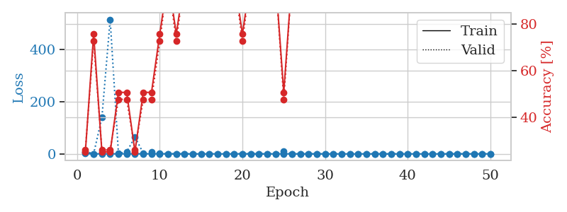
train_loss | valid_loss | train_accuracy | valid_accuracy | dur | train_misclass | valid_misclass
0.94737261793 | 8.4786402039 | 0.2527173913 | 0.26086956522 | 1.1516916752 | 25.27173913 | 26.086956522
0.37074797601 | 0.43540089675 | 0.75815217391 | 0.72826086957 | 1.1491551399 | 75.815217391 | 72.826086957
0.29788748321 | 139.56568378 | 0.2527173913 | 0.26086956522 | 1.1486196518 | 25.27173913 | 26.086956522
0.33626793503 | 515.86373371 | 0.2527173913 | 0.26086956522 | 1.1491532326 | 25.27173913 | 26.086956522
0.097182998434 | 2.3873026578 | 0.50815217391 | 0.47826086957 | 1.149405241 | 50.815217391 | 47.826086957
0.22075121919 | 7.5148584324 | 0.50815217391 | 0.47826086957 | 1.1512889862 | 50.815217391 | 47.826086957
0.13915042972 | 65.339813398 | 0.2527173913 | 0.26086956522 | 1.1492927074 | 25.27173913 | 26.086956522
0.46137713576 | 2.6246501363 | 0.50815217391 | 0.47826086957 | 1.1496622562 | 50.815217391 | 47.826086957
0.25787186617 | 7.9210204871 | 0.50815217391 | 0.47826086957 | 1.1499586105 | 50.815217391 | 47.826086957
0.2436074798 | 1.6271144359 | 0.75815217391 | 0.72826086957 | 1.1499464512 | 75.815217391 | 72.826086957
0.24205103195 | 0.01076761781 | 1 | 1 | 1.1501471996 | 100 | 100
0.19624456711 | 0.35808816034 | 0.75815217391 | 0.72826086957 | 1.1524786949 | 75.815217391 | 72.826086957
0.055321406512 | 0.0041065415894 | 1 | 1 | 1.1515023708 | 100 | 100
0.032118699108 | 0.0021872466491 | 1 | 1 | 1.1500790119 | 100 | 100
0.028114936775 | 0.004098336435 | 1 | 1 | 1.1494560242 | 100 | 100
0.30066878626 | 0.097694593927 | 1 | 1 | 1.1498618126 | 100 | 100
0.048779370253 | 0.032209976617 | 1 | 1 | 1.1498682499 | 100 | 100
0.046019365161 | 0.014200647969 | 1 | 1 | 1.1499812603 | 100 | 100
0.18867606111 | 0.025179867916 | 1 | 1 | 1.1499154568 | 100 | 100
0.25868777743 | 0.55649760495 | 0.75815217391 | 0.72826086957 | 1.1491832733 | 75.815217391 | 72.826086957
0.14705136892 | 0.1059831329 | 1 | 1 | 1.1509084702 | 100 | 100
0.053200362058 | 0.0038668369348 | 1 | 1 | 1.1515192986 | 100 | 100
0.081560347224 | 0.0069035747412 | 1 | 1 | 1.1509823799 | 100 | 100
0.12997847002 | 0.0029255432057 | 1 | 1 | 1.1503596306 | 100 | 100
0.31391761537 | 9.830167646 | 0.50815217391 | 0.47826086957 | 1.6344425678 | 50.815217391 | 47.826086957
0.089893819562 | 0.021732709249 | 1 | 1 | 1.5542829037 | 100 | 100
0.093238589799 | 0.0044223335167 | 1 | 1 | 1.5613064766 | 100 | 100
0.085144649756 | 0.0028819277194 | 1 | 1 | 1.5759570599 | 100 | 100
0.097394933053 | 0.0030059255558 | 1 | 1 | 1.1537013054 | 100 | 100
0.24641824146 | 0.0035513181988 | 1 | 1 | 1.1521837711 | 100 | 100
0.0065050155036 | 0.0022300072622 | 1 | 1 | 1.1526918411 | 100 | 100
0.042698685556 | 0.0024521955309 | 1 | 1 | 1.1529209614 | 100 | 100
0.080671241406 | 0.0021812938225 | 1 | 1 | 1.152695179 | 100 | 100
0.05384134157 | 0.0025380597065 | 1 | 1 | 1.1548802853 | 100 | 100
0.021976385311 | 0.0019569997979 | 1 | 1 | 1.1533594131 | 100 | 100
0.061758902832 | 0.001629829594 | 1 | 1 | 1.1532297134 | 100 | 100
0.011220463663 | 0.0017120021638 | 1 | 1 | 1.1536989212 | 100 | 100
0.050283351736 | 0.0021416801737 | 1 | 1 | 1.1533231735 | 100 | 100
0.013630241429 | 0.0016845350366 | 1 | 1 | 1.1532850266 | 100 | 100
0.034478747605 | 0.0017068099696 | 1 | 1 | 1.1543040276 | 100 | 100
0.046006121339 | 0.0013569022944 | 1 | 1 | 1.1566314697 | 100 | 100
0.020486362334 | 0.0014447153839 | 1 | 1 | 1.1542570591 | 100 | 100
0.031722662788 | 0.0012956521545 | 1 | 1 | 1.1540179253 | 100 | 100
0.020219308031 | 0.0013355082356 | 1 | 1 | 1.1556565762 | 100 | 100
0.048305326663 | 0.0016679243266 | 1 | 1 | 1.155823946 | 100 | 100
0.18997406693 | 0.0012377848312 | 1 | 1 | 1.1551218033 | 100 | 100
0.23912166882 | 0.001147247856 | 1 | 1 | 1.155144453 | 100 | 100
0.014590379248 | 0.0012017024995 | 1 | 1 | 1.1556427479 | 100 | 100
0.37520016184 | 0.0014184187976 | 1 | 1 | 1.1546602249 | 100 | 100
0.11724713788 | 0.0010784610843 | 1 | 1 | 1.1546156406 | 100 | 100

Best Val accuracy is 1.0 and Best test accuracy is 1.0

Sheet10
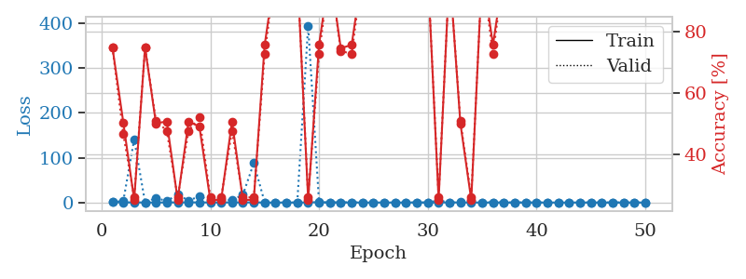
train_loss | valid_loss | train_accuracy | valid_accuracy | dur | train_misclass | valid_misclass
0.88756379485 | 0.68365349718 | 0.75 | 0.75 | 1.1537501812 | 75 | 75
0.38510716707 | 3.4910053896 | 0.50543478261 | 0.46739130435 | 1.1488461494 | 50.543478261 | 46.739130435
0.1881461478 | 140.76500669 | 0.2527173913 | 0.26086956522 | 1.1528618336 | 25.27173913 | 26.086956522
0.19263175616 | 0.40290970388 | 0.75 | 0.75 | 1.1531307697 | 75 | 75
0.16613895148 | 9.9788741858 | 0.5027173913 | 0.51086956522 | 1.1524708271 | 50.27173913 | 51.086956522
0.19945830775 | 3.1848011328 | 0.50815217391 | 0.47826086957 | 1.1522960663 | 50.815217391 | 47.826086957
0.26162149433 | 17.715842371 | 0.2527173913 | 0.26086956522 | 1.1534085274 | 25.27173913 | 26.086956522
0.31140243659 | 4.4659757096 | 0.50815217391 | 0.47826086957 | 1.1535122395 | 50.815217391 | 47.826086957
0.24974432221 | 13.549030843 | 0.49184782609 | 0.52173913043 | 1.1538918018 | 49.184782609 | 52.173913043
0.1146311265 | 5.2698770502 | 0.2527173913 | 0.26086956522 | 1.15305233 | 25.27173913 | 26.086956522
0.1895730948 | 6.9746724004 | 0.2527173913 | 0.26086956522 | 1.1535346508 | 25.27173913 | 26.086956522
0.25264141432 | 4.9176757647 | 0.50815217391 | 0.47826086957 | 1.1541903019 | 50.815217391 | 47.826086957
0.24145494418 | 17.386967452 | 0.2527173913 | 0.26086956522 | 1.153503418 | 25.27173913 | 26.086956522
0.31437477682 | 87.966101937 | 0.2527173913 | 0.26086956522 | 1.1534340382 | 25.27173913 | 26.086956522
0.061306872911 | 0.47960362616 | 0.75815217391 | 0.72826086957 | 1.153362751 | 75.815217391 | 72.826086957
0.04488502413 | 0.0077672054708 | 1 | 1 | 1.153601408 | 100 | 100
0.024567388757 | 0.018957611902 | 1 | 1 | 1.1548485756 | 100 | 100
0.020797567103 | 0.0055181098009 | 1 | 1 | 1.1531574726 | 100 | 100
0.2960679259 | 394.50214021 | 0.2527173913 | 0.26086956522 | 1.1533577442 | 25.27173913 | 26.086956522
0.74196083123 | 0.40202971127 | 0.75815217391 | 0.72826086957 | 1.1522264481 | 75.815217391 | 72.826086957
0.094894061553 | 0.021759016318 | 1 | 1 | 1.1517145634 | 100 | 100
0.15629495059 | 0.36636042336 | 0.7472826087 | 0.73913043478 | 1.1521606445 | 74.72826087 | 73.913043478
0.058363477092 | 0.32645894717 | 0.75815217391 | 0.72826086957 | 1.1527922153 | 75.815217391 | 72.826086957
0.058250452179 | 0.0059404802995 | 1 | 1 | 1.1527302265 | 100 | 100
0.031967568758 | 0.0036591486398 | 1 | 1 | 1.1527254581 | 100 | 100
0.07397109223 | 0.068490885522 | 1 | 1 | 1.1539061069 | 100 | 100
0.043942369592 | 0.0093089834099 | 1 | 1 | 1.153226614 | 100 | 100
0.020770012993 | 0.0022788739702 | 1 | 1 | 1.1556649208 | 100 | 100
0.16502400152 | 0.073137873865 | 1 | 1 | 1.1530020237 | 100 | 100
0.043858324294 | 0.010157164632 | 1 | 1 | 1.1543052197 | 100 | 100
0.23886302313 | 4.548435885 | 0.2527173913 | 0.26086956522 | 1.1550190449 | 25.27173913 | 26.086956522
0.21324205737 | 0.16714417092 | 1 | 1 | 1.154802084 | 100 | 100
0.089666608589 | 1.3151688887 | 0.5027173913 | 0.51086956522 | 1.1554868221 | 50.27173913 | 51.086956522
0.05578590151 | 2.9160663771 | 0.2527173913 | 0.26086956522 | 1.1540155411 | 25.27173913 | 26.086956522
0.043746154401 | 0.042957781936 | 1 | 1 | 1.156362772 | 100 | 100
0.078930752575 | 0.44874221216 | 0.75815217391 | 0.72826086957 | 1.1551072598 | 75.815217391 | 72.826086957
0.029022008636 | 0.0066221938469 | 1 | 1 | 1.1567187309 | 100 | 100
0.040690654727 | 0.0028872621428 | 1 | 1 | 1.1547269821 | 100 | 100
0.10183479711 | 0.0022189039332 | 1 | 1 | 1.1543977261 | 100 | 100
0.030289822116 | 0.002145082872 | 1 | 1 | 1.1553444862 | 100 | 100
0.028796843359 | 0.0020550575371 | 1 | 1 | 1.1552321911 | 100 | 100
0.018098469373 | 0.0024782812992 | 1 | 1 | 1.1551158428 | 100 | 100
0.056348387456 | 0.0019507123481 | 1 | 1 | 1.1554574966 | 100 | 100
0.087659220282 | 0.0024331651183 | 1 | 1 | 1.1545908451 | 100 | 100
0.01302856297 | 0.0030243694681 | 1 | 1 | 1.1543354988 | 100 | 100
0.015037004532 | 0.0022250190478 | 1 | 1 | 1.1536223888 | 100 | 100
0.022085701723 | 0.0023487740621 | 1 | 1 | 1.15539217 | 100 | 100
0.03302895015 | 0.002413518251 | 1 | 1 | 1.1559193134 | 100 | 100
0.017969457676 | 0.0026643545792 | 1 | 1 | 1.1564562321 | 100 | 100
0.020384601095 | 0.0024374939056 | 1 | 1 | 1.1551916599 | 100 | 100

Best Val accuracy is 1.0 and Best test accuracy is 1.0

