Sheet
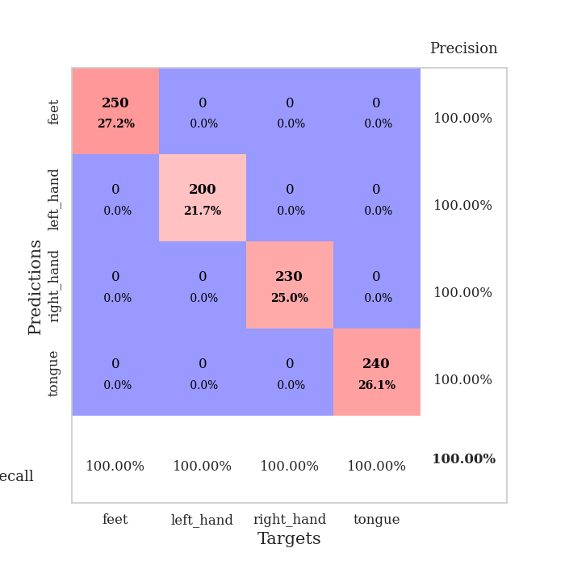
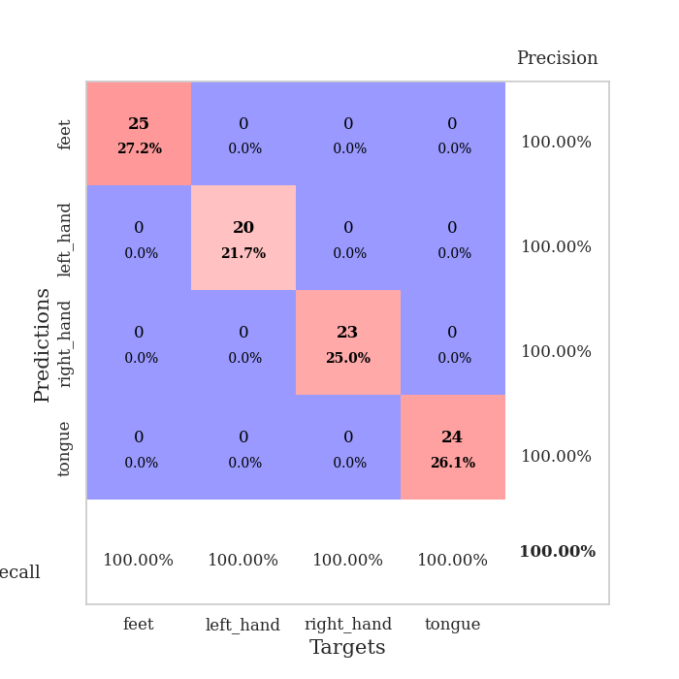
best_val_acc | best_val_los | best_test_acc
1 | 0.00089681964449 | 1
1 | 0.0008495620214 | 1
1 | 0.0025527358217 | 1
1 | 0.00058491759093 | 1
1 | 0.0011731903271 | 1
1 | 0.00066072440392 | 1
1 | 0.0013829816902 | 1
1 | 0.0010571699114 | 1
1 | 0.0023435346742 | 1
1 | 0.00090547447832 | 1

Mean,std Val accuracy is 1.0 , 0.0 and mean, std test accuracy is 1.0 , 0.0

Sheet1
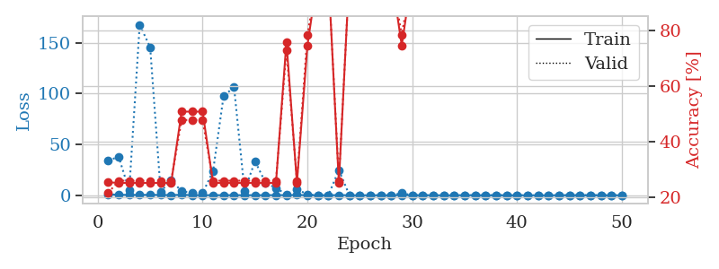
train_loss | valid_loss | train_accuracy | valid_accuracy | dur | train_misclass | valid_misclass
0.97440022619 | 34.365721164 | 0.25543478261 | 0.21739130435 | 1.1556062698 | 25.543478261 | 21.739130435
0.45197805568 | 37.699063674 | 0.2527173913 | 0.26086956522 | 1.1498925686 | 25.27173913 | 26.086956522
0.34903456659 | 4.6547012744 | 0.2527173913 | 0.26086956522 | 1.1489117146 | 25.27173913 | 26.086956522
0.34939245847 | 167.83660623 | 0.2527173913 | 0.26086956522 | 1.1519355774 | 25.27173913 | 26.086956522
0.41697264447 | 145.45951976 | 0.2527173913 | 0.26086956522 | 1.1533303261 | 25.27173913 | 26.086956522
0.31938127121 | 3.6441368849 | 0.2527173913 | 0.26086956522 | 1.153399229 | 25.27173913 | 26.086956522
0.18135485895 | 14.567124864 | 0.2527173913 | 0.26086956522 | 1.1532409191 | 25.27173913 | 26.086956522
0.48317753471 | 4.0767661592 | 0.50815217391 | 0.47826086957 | 1.1524443626 | 50.815217391 | 47.826086957
0.15799233998 | 2.1260533126 | 0.50815217391 | 0.47826086957 | 1.1536068916 | 50.815217391 | 47.826086957
0.07451605647 | 2.0076780267 | 0.50815217391 | 0.47826086957 | 1.15285182 | 50.815217391 | 47.826086957
0.083936268909 | 23.812197395 | 0.2527173913 | 0.26086956522 | 1.1523449421 | 25.27173913 | 26.086956522
0.10445430733 | 97.433332692 | 0.2527173913 | 0.26086956522 | 1.1530067921 | 25.27173913 | 26.086956522
0.083821448396 | 106.44756782 | 0.2527173913 | 0.26086956522 | 1.1532082558 | 25.27173913 | 26.086956522
0.10654769133 | 4.474557265 | 0.2527173913 | 0.26086956522 | 1.1536257267 | 25.27173913 | 26.086956522
0.081935917574 | 33.444365128 | 0.2527173913 | 0.26086956522 | 1.1547665596 | 25.27173913 | 26.086956522
0.11549337269 | 12.477437558 | 0.2527173913 | 0.26086956522 | 1.1547327042 | 25.27173913 | 26.086956522
0.14605425268 | 6.9320658186 | 0.2527173913 | 0.26086956522 | 1.1544668674 | 25.27173913 | 26.086956522
0.14743534157 | 0.99245973255 | 0.75815217391 | 0.72826086957 | 1.1524159908 | 75.815217391 | 72.826086957
0.25047925862 | 5.9842897291 | 0.2527173913 | 0.26086956522 | 1.1551029682 | 25.27173913 | 26.086956522
0.085119907451 | 0.76965916934 | 0.74456521739 | 0.78260869565 | 1.154253006 | 74.456521739 | 78.260869565
0.084835564738 | 0.033151224337 | 1 | 1 | 1.1551978588 | 100 | 100
0.053419421974 | 0.0029360943413 | 1 | 1 | 1.1538600922 | 100 | 100
0.12837632236 | 24.790984361 | 0.2527173913 | 0.26086956522 | 1.1533560753 | 25.27173913 | 26.086956522
0.066322240644 | 0.12154029439 | 1 | 1 | 1.1543955803 | 100 | 100
0.021353318513 | 0.0034067916643 | 1 | 1 | 1.1526112556 | 100 | 100
0.006183478303 | 0.0013500665234 | 1 | 1 | 1.1538476944 | 100 | 100
0.012688662753 | 0.0066517188578 | 1 | 1 | 1.153844595 | 100 | 100
0.012368033463 | 0.00089681964449 | 1 | 1 | 1.1604070663 | 100 | 100
0.14600333684 | 2.0935282241 | 0.74456521739 | 0.78260869565 | 1.1586513519 | 74.456521739 | 78.260869565
0.1020679245 | 0.0090716052598 | 1 | 1 | 1.1539757252 | 100 | 100
0.033077676234 | 0.0029544572488 | 1 | 1 | 1.1540555954 | 100 | 100
0.026175136901 | 0.001578802825 | 1 | 1 | 1.1529951096 | 100 | 100
0.004029805195 | 0.0014535970429 | 1 | 1 | 1.1524651051 | 100 | 100
0.004643311676 | 0.0012631759898 | 1 | 1 | 1.1530020237 | 100 | 100
0.11459711757 | 0.0038974096432 | 1 | 1 | 1.1547493935 | 100 | 100
0.041347165951 | 0.0029566718427 | 1 | 1 | 1.1543078423 | 100 | 100
0.0076468320229 | 0.0177507539 | 1 | 1 | 1.1544480324 | 100 | 100
0.0048202284986 | 0.0017757329523 | 1 | 1 | 1.1543171406 | 100 | 100
0.010457338586 | 0.0016685570489 | 1 | 1 | 1.1528213024 | 100 | 100
0.0083100087384 | 0.0016137216665 | 1 | 1 | 1.1527490616 | 100 | 100
0.0051474035313 | 0.0012443878577 | 1 | 1 | 1.1534461975 | 100 | 100
0.004713441673 | 0.0014227066017 | 1 | 1 | 1.153247118 | 100 | 100
0.0091602260642 | 0.0014294696233 | 1 | 1 | 1.1546742916 | 100 | 100
0.0066506255712 | 0.0012645414555 | 1 | 1 | 1.1538646221 | 100 | 100
0.106869674 | 0.0013277708279 | 1 | 1 | 1.1533844471 | 100 | 100
0.011552572951 | 0.0013184962875 | 1 | 1 | 1.1543107033 | 100 | 100
0.046630964392 | 0.0012378424922 | 1 | 1 | 1.1539001465 | 100 | 100
0.023539074874 | 0.0012506282656 | 1 | 1 | 1.1574895382 | 100 | 100
0.0060471472857 | 0.0013126658488 | 1 | 1 | 1.1535935402 | 100 | 100
0.0067644706249 | 0.0012980831746 | 1 | 1 | 1.1545565128 | 100 | 100

Best Val accuracy is 1.0 and Best test accuracy is 1.0

Sheet2
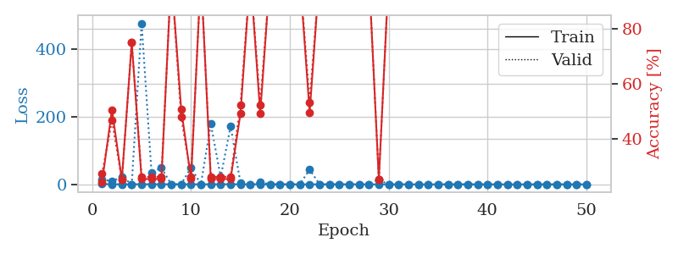
train_loss | valid_loss | train_accuracy | valid_accuracy | dur | train_misclass | valid_misclass
1.0967904381 | 15.571059144 | 0.24184782609 | 0.27173913043 | 1.1531908512 | 24.184782609 | 27.173913043
0.49145250865 | 8.3659415867 | 0.50543478261 | 0.46739130435 | 1.1497476101 | 50.543478261 | 46.739130435
0.22924898047 | 22.854767094 | 0.25 | 0.25 | 1.1515722275 | 25 | 25
0.25988829557 | 0.31293175402 | 0.75 | 0.75 | 1.1510453224 | 75 | 75
0.44582583869 | 475.15783161 | 0.2527173913 | 0.26086956522 | 1.1533260345 | 25.27173913 | 26.086956522
0.19523928298 | 35.323834958 | 0.2527173913 | 0.26086956522 | 1.1531083584 | 25.27173913 | 26.086956522
0.32516836869 | 48.666426949 | 0.2527173913 | 0.26086956522 | 1.1530063152 | 25.27173913 | 26.086956522
0.26480903428 | 0.094325511352 | 1 | 1 | 1.1511938572 | 100 | 100
0.19788018355 | 0.55296865235 | 0.50815217391 | 0.47826086957 | 1.1477847099 | 50.815217391 | 47.826086957
0.29379149113 | 49.690119868 | 0.2527173913 | 0.26086956522 | 1.149605751 | 25.27173913 | 26.086956522
0.16828149415 | 0.015811695231 | 1 | 1 | 1.1495826244 | 100 | 100
0.32796839519 | 178.38864467 | 0.2527173913 | 0.26086956522 | 1.1498889923 | 25.27173913 | 26.086956522
0.43015194652 | 21.040321599 | 0.2527173913 | 0.26086956522 | 1.1496734619 | 25.27173913 | 26.086956522
0.29761915869 | 171.41237408 | 0.2527173913 | 0.26086956522 | 1.149086237 | 25.27173913 | 26.086956522
0.28697062008 | 5.0826323551 | 0.49184782609 | 0.52173913043 | 1.1500885487 | 49.184782609 | 52.173913043
0.45518834719 | 0.022364301202 | 1 | 1 | 1.1501581669 | 100 | 100
0.20824305426 | 6.302456918 | 0.49184782609 | 0.52173913043 | 1.1505100727 | 49.184782609 | 52.173913043
0.053909992475 | 0.0073491319123 | 1 | 1 | 1.1501686573 | 100 | 100
0.15545555175 | 0.002770726731 | 1 | 1 | 1.1498851776 | 100 | 100
0.17468618393 | 0.13148904268 | 1 | 1 | 1.1501953602 | 100 | 100
0.038783701542 | 0.005867805089 | 1 | 1 | 1.1503484249 | 100 | 100
0.14140336244 | 43.731205982 | 0.49456521739 | 0.53260869565 | 1.1506841183 | 49.456521739 | 53.260869565
0.10358337519 | 0.044617600901 | 1 | 1 | 1.1503865719 | 100 | 100
0.02702456323 | 0.003858425948 | 1 | 1 | 1.1504645348 | 100 | 100
0.029538135854 | 0.0023025163632 | 1 | 1 | 1.1502258778 | 100 | 100
0.094288487114 | 0.0018723622197 | 1 | 1 | 1.1510791779 | 100 | 100
0.18740197427 | 0.0013269979213 | 1 | 1 | 1.1508376598 | 100 | 100
0.046495200368 | 0.0032790400007 | 1 | 1 | 1.1505191326 | 100 | 100
0.044326313063 | 13.29569149 | 0.25 | 0.25 | 1.1510355473 | 25 | 25
0.14688236079 | 0.00128147044 | 1 | 1 | 1.1508641243 | 100 | 100
0.011314852016 | 0.0017693563891 | 1 | 1 | 1.1510784626 | 100 | 100
0.024804621343 | 0.0029121297715 | 1 | 1 | 1.1501784325 | 100 | 100
0.012434895231 | 0.0012314740072 | 1 | 1 | 1.1528446674 | 100 | 100
0.019049788476 | 0.0008495620214 | 1 | 1 | 1.1510574818 | 100 | 100
0.011852352283 | 0.0013024619497 | 1 | 1 | 1.1507725716 | 100 | 100
0.065309681282 | 0.00097223491226 | 1 | 1 | 1.1509466171 | 100 | 100
0.024572431444 | 0.0011815987122 | 1 | 1 | 1.150865078 | 100 | 100
0.021033408178 | 0.0010278245647 | 1 | 1 | 1.1519165039 | 100 | 100
0.028447967544 | 0.0014588278465 | 1 | 1 | 1.1511249542 | 100 | 100
0.0075573103513 | 0.0012917069202 | 1 | 1 | 1.1519727707 | 100 | 100
0.0083735329605 | 0.0011903630701 | 1 | 1 | 1.1514325142 | 100 | 100
0.0049693897751 | 0.00099345477824 | 1 | 1 | 1.1517219543 | 100 | 100
0.027239076839 | 0.0011821534566 | 1 | 1 | 1.1515419483 | 100 | 100
0.015914087877 | 0.0011582108994 | 1 | 1 | 1.1516294479 | 100 | 100
0.013265641819 | 0.001054964823 | 1 | 1 | 1.1517102718 | 100 | 100
0.0073542647069 | 0.0010370502613 | 1 | 1 | 1.1515562534 | 100 | 100
0.0058453421655 | 0.00097697473678 | 1 | 1 | 1.1518781185 | 100 | 100
0.013896819801 | 0.0012085120669 | 1 | 1 | 1.1511101723 | 100 | 100
0.020618396485 | 0.00099237226253 | 1 | 1 | 1.1517364979 | 100 | 100
0.0088459204518 | 0.00088393084614 | 1 | 1 | 1.1517999172 | 100 | 100

Best Val accuracy is 1.0 and Best test accuracy is 1.0

Sheet3
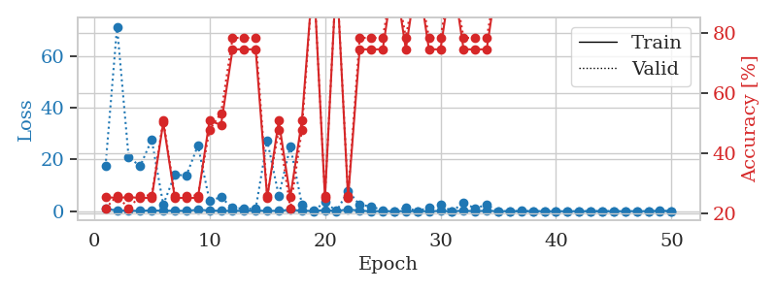
train_loss | valid_loss | train_accuracy | valid_accuracy | dur | train_misclass | valid_misclass
0.86001089604 | 17.42947114 | 0.25543478261 | 0.21739130435 | 1.1534819603 | 25.543478261 | 21.739130435
0.34304318091 | 71.338152346 | 0.2527173913 | 0.26086956522 | 1.1503024101 | 25.27173913 | 26.086956522
0.1962346514 | 20.94272854 | 0.25543478261 | 0.21739130435 | 1.1486282349 | 25.543478261 | 21.739130435
0.14859751199 | 17.394891573 | 0.2527173913 | 0.26086956522 | 1.1500225067 | 25.27173913 | 26.086956522
0.33263323294 | 27.65642871 | 0.2527173913 | 0.26086956522 | 1.1498582363 | 25.27173913 | 26.086956522
0.162589381 | 2.5328839706 | 0.5027173913 | 0.51086956522 | 1.1505455971 | 50.27173913 | 51.086956522
0.22321793494 | 14.150977259 | 0.2527173913 | 0.26086956522 | 1.1501600742 | 25.27173913 | 26.086956522
0.14614916475 | 13.782545048 | 0.2527173913 | 0.26086956522 | 1.149143219 | 25.27173913 | 26.086956522
0.56634918416 | 25.421105426 | 0.2527173913 | 0.26086956522 | 1.1481955051 | 25.27173913 | 26.086956522
0.28031177851 | 4.1502553276 | 0.50815217391 | 0.47826086957 | 1.1490023136 | 50.815217391 | 47.826086957
0.15719997893 | 5.3668627739 | 0.49456521739 | 0.53260869565 | 1.1487257481 | 49.456521739 | 53.260869565
0.16910790229 | 1.2735540012 | 0.74456521739 | 0.78260869565 | 1.1505565643 | 74.456521739 | 78.260869565
0.17430081998 | 0.99010066623 | 0.74456521739 | 0.78260869565 | 1.1508648396 | 74.456521739 | 78.260869565
0.25926049427 | 0.94270583858 | 0.74456521739 | 0.78260869565 | 1.148963213 | 74.456521739 | 78.260869565
0.14244538189 | 27.37260238 | 0.2527173913 | 0.26086956522 | 1.1488771439 | 25.27173913 | 26.086956522
0.17375840453 | 5.9211091373 | 0.50815217391 | 0.47826086957 | 1.1481785774 | 50.815217391 | 47.826086957
0.52431326475 | 25.064828209 | 0.25543478261 | 0.21739130435 | 1.1490008831 | 25.543478261 | 21.739130435
0.20640607065 | 2.7107152732 | 0.50815217391 | 0.47826086957 | 1.1493179798 | 50.815217391 | 47.826086957
0.1117988967 | 0.067022861832 | 1 | 1 | 1.1490864754 | 100 | 100
0.43410599705 | 3.6070800553 | 0.2527173913 | 0.26086956522 | 1.1509952545 | 25.27173913 | 26.086956522
0.09968476534 | 0.0054430518421 | 1 | 1 | 1.1500217915 | 100 | 100
0.69836773438 | 7.8546465169 | 0.2527173913 | 0.26086956522 | 1.1503391266 | 25.27173913 | 26.086956522
0.2019513366 | 2.4882330013 | 0.74456521739 | 0.78260869565 | 1.1504933834 | 74.456521739 | 78.260869565
0.0431464244 | 1.8597524011 | 0.74456521739 | 0.78260869565 | 1.1503331661 | 74.456521739 | 78.260869565
0.032898563183 | 0.35534166642 | 0.74456521739 | 0.78260869565 | 1.1501302719 | 74.456521739 | 78.260869565
0.028246518123 | 0.0082596321793 | 1 | 1 | 1.150339365 | 100 | 100
0.070254314306 | 1.396023004 | 0.74456521739 | 0.78260869565 | 1.1502563953 | 74.456521739 | 78.260869565
0.016759949676 | 0.010120078759 | 1 | 1 | 1.1501665115 | 100 | 100
0.030285415068 | 1.4210979576 | 0.74456521739 | 0.78260869565 | 1.1490540504 | 74.456521739 | 78.260869565
0.10832236196 | 2.3938944081 | 0.74456521739 | 0.78260869565 | 1.1497416496 | 74.456521739 | 78.260869565
0.035090591212 | 0.010326253169 | 1 | 1 | 1.15082407 | 100 | 100
0.20616108224 | 3.1768372992 | 0.74456521739 | 0.78260869565 | 1.1510250568 | 74.456521739 | 78.260869565
0.032206824677 | 1.1038485195 | 0.74456521739 | 0.78260869565 | 1.1497938633 | 74.456521739 | 78.260869565
0.18358828426 | 2.4970959736 | 0.74456521739 | 0.78260869565 | 1.1500396729 | 74.456521739 | 78.260869565
0.04874336841 | 0.0050938822248 | 1 | 1 | 1.1498296261 | 100 | 100
0.027431764144 | 0.0045714161521 | 1 | 1 | 1.1507427692 | 100 | 100
0.11729553773 | 0.0041798238804 | 1 | 1 | 1.1508979797 | 100 | 100
0.034838309248 | 0.0058818754092 | 1 | 1 | 1.1516094208 | 100 | 100
0.034849459872 | 0.005558010049 | 1 | 1 | 1.1509034634 | 100 | 100
0.0091745142278 | 0.0039677297818 | 1 | 1 | 1.1514270306 | 100 | 100
0.020141069656 | 0.00290443976 | 1 | 1 | 1.1510951519 | 100 | 100
0.018529228562 | 0.0026915540372 | 1 | 1 | 1.1509833336 | 100 | 100
0.056255779912 | 0.0031394900592 | 1 | 1 | 1.1508097649 | 100 | 100
0.04878054501 | 0.0046331927221 | 1 | 1 | 1.1512064934 | 100 | 100
0.012089062194 | 0.003728920938 | 1 | 1 | 1.1518833637 | 100 | 100
0.024504872616 | 0.0025527358217 | 1 | 1 | 1.1520078182 | 100 | 100
0.061589494712 | 0.0030593856177 | 1 | 1 | 1.1522312164 | 100 | 100
0.0098001964937 | 0.0031410297885 | 1 | 1 | 1.1523201466 | 100 | 100
0.25722316526 | 0.0026831614744 | 1 | 1 | 1.1518280506 | 100 | 100
0.05084331529 | 0.0028888999849 | 1 | 1 | 1.1520280838 | 100 | 100

Best Val accuracy is 1.0 and Best test accuracy is 1.0

Sheet4
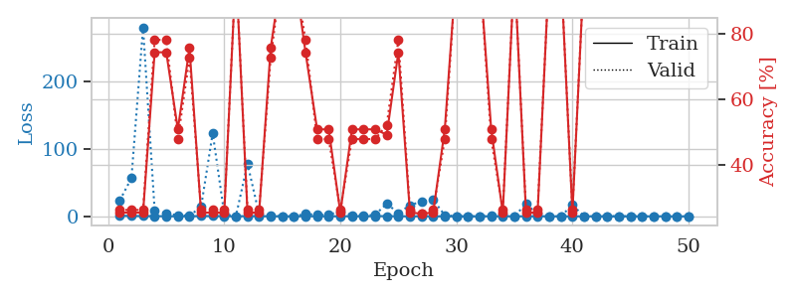
train_loss | valid_loss | train_accuracy | valid_accuracy | dur | train_misclass | valid_misclass
0.92368611953 | 23.743491795 | 0.2527173913 | 0.26086956522 | 1.1559455395 | 25.27173913 | 26.086956522
0.46529413371 | 56.65734714 | 0.2527173913 | 0.26086956522 | 1.1499123573 | 25.27173913 | 26.086956522
0.41580214319 | 280.55172862 | 0.2527173913 | 0.26086956522 | 1.150752306 | 25.27173913 | 26.086956522
0.26352263323 | 8.7272646531 | 0.74456521739 | 0.78260869565 | 1.1510972977 | 74.456521739 | 78.260869565
0.12158956776 | 4.2984749234 | 0.74456521739 | 0.78260869565 | 1.1510689259 | 74.456521739 | 78.260869565
0.043222961097 | 1.5020336327 | 0.50815217391 | 0.47826086957 | 1.1514515877 | 50.815217391 | 47.826086957
0.078840591135 | 1.0122599058 | 0.75815217391 | 0.72826086957 | 1.1502623558 | 75.815217391 | 72.826086957
0.39238640337 | 13.860104022 | 0.2527173913 | 0.26086956522 | 1.1516773701 | 25.27173913 | 26.086956522
0.35537746565 | 123.45719445 | 0.2527173913 | 0.26086956522 | 1.1515254974 | 25.27173913 | 26.086956522
0.15330386328 | 3.3026767917 | 0.2527173913 | 0.26086956522 | 1.1516013145 | 25.27173913 | 26.086956522
0.065954434341 | 0.032815068231 | 1 | 1 | 1.1511690617 | 100 | 100
0.32851572182 | 78.170904077 | 0.2527173913 | 0.26086956522 | 1.1535303593 | 25.27173913 | 26.086956522
0.21393411345 | 3.0242547989 | 0.2527173913 | 0.26086956522 | 1.1504628658 | 25.27173913 | 26.086956522
0.07112316602 | 0.91675814598 | 0.75815217391 | 0.72826086957 | 1.1505310535 | 75.815217391 | 72.826086957
0.015967190822 | 0.037138575283 | 1 | 1 | 1.1508646011 | 100 | 100
0.010321698524 | 0.0015261951459 | 1 | 1 | 1.1508526802 | 100 | 100
0.16013326247 | 3.551168732 | 0.74456521739 | 0.78260869565 | 1.1507863998 | 74.456521739 | 78.260869565
0.10174896082 | 2.2292638291 | 0.50815217391 | 0.47826086957 | 1.1513237953 | 50.815217391 | 47.826086957
0.039784095741 | 2.6514427973 | 0.50815217391 | 0.47826086957 | 1.1518447399 | 50.815217391 | 47.826086957
0.17877168708 | 6.7488300489 | 0.2527173913 | 0.26086956522 | 1.151304245 | 25.27173913 | 26.086956522
0.10539149237 | 1.8051329955 | 0.50815217391 | 0.47826086957 | 1.151299715 | 50.815217391 | 47.826086957
0.05130467902 | 0.88901379057 | 0.50815217391 | 0.47826086957 | 1.1514503956 | 50.815217391 | 47.826086957
0.29216883833 | 2.3276590575 | 0.50815217391 | 0.47826086957 | 1.1513266563 | 50.815217391 | 47.826086957
0.27181823617 | 18.762942521 | 0.49184782609 | 0.52173913043 | 1.1517837048 | 49.184782609 | 52.173913043
0.057630885625 | 4.761783434 | 0.74456521739 | 0.78260869565 | 1.1513559818 | 74.456521739 | 78.260869565
0.055538390475 | 16.433018228 | 0.2527173913 | 0.26086956522 | 1.151047945 | 25.27173913 | 26.086956522
0.08212572933 | 22.055278115 | 0.25 | 0.25 | 1.1517004967 | 25 | 25
0.027193788712 | 24.173115274 | 0.2527173913 | 0.26086956522 | 1.1509227753 | 25.27173913 | 26.086956522
0.023664583981 | 1.746575454 | 0.50815217391 | 0.47826086957 | 1.1511116028 | 50.815217391 | 47.826086957
0.01685324374 | 0.082604213739 | 1 | 1 | 1.1520674229 | 100 | 100
0.0063491356762 | 0.00098566724362 | 1 | 1 | 1.1518886089 | 100 | 100
0.045320147717 | 0.076067619674 | 1 | 1 | 1.1514172554 | 100 | 100
0.042612056311 | 0.95194211213 | 0.50815217391 | 0.47826086957 | 1.1513750553 | 50.815217391 | 47.826086957
0.084519019801 | 2.1741391524 | 0.2527173913 | 0.26086956522 | 1.1517026424 | 25.27173913 | 26.086956522
0.043567805192 | 0.0021919715066 | 1 | 1 | 1.1518821716 | 100 | 100
0.072361488801 | 18.457628748 | 0.2527173913 | 0.26086956522 | 1.1522421837 | 25.27173913 | 26.086956522
0.048678683588 | 3.3492869502 | 0.2527173913 | 0.26086956522 | 1.1520974636 | 25.27173913 | 26.086956522
0.0095696571465 | 0.0035606652255 | 1 | 1 | 1.1515820026 | 100 | 100
0.0048317045895 | 0.00067848136203 | 1 | 1 | 1.1521654129 | 100 | 100
0.054312623187 | 16.763604993 | 0.2527173913 | 0.26086956522 | 1.1536352634 | 25.27173913 | 26.086956522
0.012339850657 | 0.0053418323843 | 1 | 1 | 1.1522612572 | 100 | 100
0.0087703499923 | 0.00090918136234 | 1 | 1 | 1.1522343159 | 100 | 100
0.014416385417 | 0.0029871615318 | 1 | 1 | 1.1522231102 | 100 | 100
0.15627105463 | 0.0056116210054 | 1 | 1 | 1.1517708302 | 100 | 100
0.045844559742 | 0.0012716744905 | 1 | 1 | 1.151951313 | 100 | 100
0.0075307732585 | 0.00078704306582 | 1 | 1 | 1.1521081924 | 100 | 100
0.0071910719372 | 0.00080190247947 | 1 | 1 | 1.1512377262 | 100 | 100
0.096994452513 | 0.00058491759093 | 1 | 1 | 1.1519210339 | 100 | 100
0.01808862525 | 0.00058708111401 | 1 | 1 | 1.1515491009 | 100 | 100
0.023311860639 | 0.00069999334443 | 1 | 1 | 1.1525678635 | 100 | 100

Best Val accuracy is 1.0 and Best test accuracy is 1.0

Sheet5
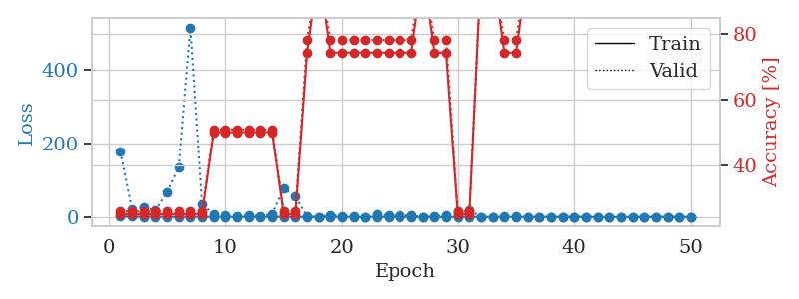
train_loss | valid_loss | train_accuracy | valid_accuracy | dur | train_misclass | valid_misclass
1.2109396561 | 176.8260445 | 0.2527173913 | 0.26086956522 | 1.1510603428 | 25.27173913 | 26.086956522
0.69708922894 | 21.157019242 | 0.2527173913 | 0.26086956522 | 1.1503620148 | 25.27173913 | 26.086956522
0.51504208731 | 27.389714365 | 0.2527173913 | 0.26086956522 | 1.1540193558 | 25.27173913 | 26.086956522
0.3526354769 | 17.277039072 | 0.2527173913 | 0.26086956522 | 1.1535036564 | 25.27173913 | 26.086956522
0.35955950618 | 66.855309528 | 0.2527173913 | 0.26086956522 | 1.1537020206 | 25.27173913 | 26.086956522
0.19185853968 | 134.58845586 | 0.2527173913 | 0.26086956522 | 1.1535942554 | 25.27173913 | 26.086956522
0.35024321306 | 514.03474095 | 0.2527173913 | 0.26086956522 | 1.1536581516 | 25.27173913 | 26.086956522
0.2101543719 | 34.394241996 | 0.2527173913 | 0.26086956522 | 1.1534254551 | 25.27173913 | 26.086956522
0.38858605136 | 7.4447258244 | 0.5027173913 | 0.51086956522 | 1.1529490948 | 50.27173913 | 51.086956522
0.22937626529 | 5.1349515086 | 0.5027173913 | 0.51086956522 | 1.1520404816 | 50.27173913 | 51.086956522
0.20997722973 | 3.3370841897 | 0.5027173913 | 0.51086956522 | 1.1511490345 | 50.27173913 | 51.086956522
0.17162484987 | 5.5306340922 | 0.5027173913 | 0.51086956522 | 1.1512093544 | 50.27173913 | 51.086956522
0.086107764413 | 2.1907123535 | 0.5027173913 | 0.51086956522 | 1.1500720978 | 50.27173913 | 51.086956522
0.14329984655 | 7.6421222687 | 0.5027173913 | 0.51086956522 | 1.1511249542 | 50.27173913 | 51.086956522
0.16100808877 | 77.307041002 | 0.2527173913 | 0.26086956522 | 1.151473999 | 25.27173913 | 26.086956522
0.12014278802 | 55.424868376 | 0.2527173913 | 0.26086956522 | 1.1513872147 | 25.27173913 | 26.086956522
0.034375402783 | 1.2271280366 | 0.74456521739 | 0.78260869565 | 1.1516852379 | 74.456521739 | 78.260869565
0.072174389396 | 0.010404002529 | 1 | 1 | 1.1521065235 | 100 | 100
0.055421053118 | 5.8628130996 | 0.74456521739 | 0.78260869565 | 1.1533751488 | 74.456521739 | 78.260869565
0.076849981829 | 2.4001822834 | 0.74456521739 | 0.78260869565 | 1.1513130665 | 74.456521739 | 78.260869565
0.014163112029 | 1.0437243114 | 0.74456521739 | 0.78260869565 | 1.1512627602 | 74.456521739 | 78.260869565
0.1955559901 | 0.38037931012 | 0.74456521739 | 0.78260869565 | 1.1506285667 | 74.456521739 | 78.260869565
0.30642577124 | 6.930424089 | 0.74456521739 | 0.78260869565 | 1.1524233818 | 74.456521739 | 78.260869565
0.03452635684 | 4.5527461923 | 0.74456521739 | 0.78260869565 | 1.1518723965 | 74.456521739 | 78.260869565
0.034707883909 | 4.7935416698 | 0.74456521739 | 0.78260869565 | 1.1508162022 | 74.456521739 | 78.260869565
0.029313522512 | 3.5242458841 | 0.74456521739 | 0.78260869565 | 1.1512341499 | 74.456521739 | 78.260869565
0.013337186831 | 0.056821109808 | 1 | 1 | 1.1507823467 | 100 | 100
0.13077174332 | 0.76068616691 | 0.74456521739 | 0.78260869565 | 1.1513364315 | 74.456521739 | 78.260869565
0.09261574787 | 4.3110621597 | 0.74456521739 | 0.78260869565 | 1.1516575813 | 74.456521739 | 78.260869565
0.20608914599 | 12.590731165 | 0.2527173913 | 0.26086956522 | 1.1510498524 | 25.27173913 | 26.086956522
0.2370085011 | 19.238621339 | 0.2527173913 | 0.26086956522 | 1.1517019272 | 25.27173913 | 26.086956522
0.043153512464 | 0.010487922184 | 1 | 1 | 1.1510388851 | 100 | 100
0.037595305561 | 0.0026004243156 | 1 | 1 | 1.1514296532 | 100 | 100
0.06475263501 | 2.2506097762 | 0.74456521739 | 0.78260869565 | 1.1511209011 | 74.456521739 | 78.260869565
0.027662934229 | 2.1950478813 | 0.74456521739 | 0.78260869565 | 1.1517729759 | 74.456521739 | 78.260869565
0.046899765214 | 0.15157645131 | 1 | 1 | 1.1522247791 | 100 | 100
0.046488218445 | 0.030362413305 | 1 | 1 | 1.1510169506 | 100 | 100
0.027261915647 | 0.0023119989378 | 1 | 1 | 1.1509373188 | 100 | 100
0.0085547653978 | 0.0024013546923 | 1 | 1 | 1.1514656544 | 100 | 100
0.0046427925573 | 0.0017872962331 | 1 | 1 | 1.1513841152 | 100 | 100
0.0082418060932 | 0.0013767278034 | 1 | 1 | 1.151409626 | 100 | 100
0.011832969375 | 0.0011731903271 | 1 | 1 | 1.1515254974 | 100 | 100
0.034708547009 | 0.0025546656942 | 1 | 1 | 1.1522138119 | 100 | 100
0.012762794382 | 0.0017359319609 | 1 | 1 | 1.1521334648 | 100 | 100
0.0062124868956 | 0.0016959582293 | 1 | 1 | 1.1520297527 | 100 | 100
0.20413109326 | 0.002941935556 | 1 | 1 | 1.1506478786 | 100 | 100
0.020105054744 | 0.0017201814841 | 1 | 1 | 1.1515221596 | 100 | 100
0.0091215563159 | 0.0018195429432 | 1 | 1 | 1.1511590481 | 100 | 100
0.0039948542936 | 0.0017948523366 | 1 | 1 | 1.1524848938 | 100 | 100
0.014333362752 | 0.0016183143269 | 1 | 1 | 1.1581301689 | 100 | 100

Best Val accuracy is 1.0 and Best test accuracy is 1.0

Sheet6
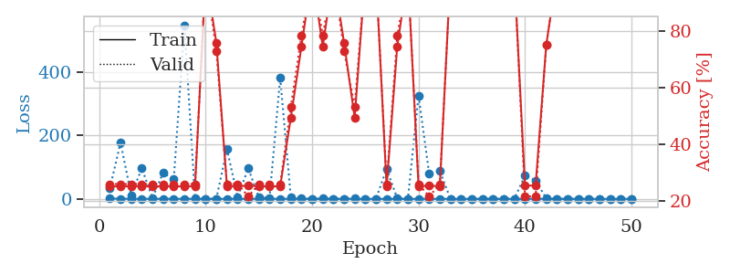
train_loss | valid_loss | train_accuracy | valid_accuracy | dur | train_misclass | valid_misclass
1.1012568629 | 33.876383408 | 0.2527173913 | 0.26086956522 | 1.1511101723 | 25.27173913 | 26.086956522
0.48171291662 | 177.50270479 | 0.2527173913 | 0.26086956522 | 1.1478586197 | 25.27173913 | 26.086956522
0.4170125156 | 12.151435396 | 0.2527173913 | 0.26086956522 | 1.1492724419 | 25.27173913 | 26.086956522
0.31029860319 | 96.162329964 | 0.2527173913 | 0.26086956522 | 1.149159193 | 25.27173913 | 26.086956522
0.20311348173 | 2.9560252376 | 0.2527173913 | 0.26086956522 | 1.1504480839 | 25.27173913 | 26.086956522
0.19825414196 | 82.641505366 | 0.2527173913 | 0.26086956522 | 1.1501140594 | 25.27173913 | 26.086956522
0.15128743972 | 61.232150036 | 0.2527173913 | 0.26086956522 | 1.1503367424 | 25.27173913 | 26.086956522
0.29410181563 | 547.92291525 | 0.2527173913 | 0.26086956522 | 1.1488530636 | 25.27173913 | 26.086956522
0.13079720906 | 0.87471693236 | 0.2527173913 | 0.26086956522 | 1.1491646767 | 25.27173913 | 26.086956522
0.028589678483 | 0.05798993535 | 1 | 1 | 1.1495850086 | 100 | 100
0.061206842651 | 0.5883941456 | 0.75815217391 | 0.72826086957 | 1.1567869186 | 75.815217391 | 72.826086957
0.25324492314 | 156.30352982 | 0.2527173913 | 0.26086956522 | 1.1502766609 | 25.27173913 | 26.086956522
0.15970112491 | 6.1041229082 | 0.2527173913 | 0.26086956522 | 1.1493580341 | 25.27173913 | 26.086956522
0.094290621457 | 95.973716072 | 0.25543478261 | 0.21739130435 | 1.1495201588 | 25.543478261 | 21.739130435
0.42510328158 | 4.3541610552 | 0.2527173913 | 0.26086956522 | 1.1493859291 | 25.27173913 | 26.086956522
0.1010203943 | 3.4826187466 | 0.2527173913 | 0.26086956522 | 1.1489059925 | 25.27173913 | 26.086956522
0.33074509502 | 381.53284089 | 0.2527173913 | 0.26086956522 | 1.1500430107 | 25.27173913 | 26.086956522
0.050700321773 | 4.4331643478 | 0.49456521739 | 0.53260869565 | 1.1504559517 | 49.456521739 | 53.260869565
0.05853426008 | 1.8993868828 | 0.74456521739 | 0.78260869565 | 1.1498370171 | 74.456521739 | 78.260869565
0.02218486973 | 0.0069253547522 | 1 | 1 | 1.1497409344 | 100 | 100
0.067797764549 | 1.6336382731 | 0.74456521739 | 0.78260869565 | 1.1498878002 | 74.456521739 | 78.260869565
0.027307317127 | 0.0064470963148 | 1 | 1 | 1.1502664089 | 100 | 100
0.050234412258 | 0.6253306464 | 0.75815217391 | 0.72826086957 | 1.1512820721 | 75.815217391 | 72.826086957
0.058858962456 | 3.4408026156 | 0.49456521739 | 0.53260869565 | 1.1500530243 | 49.456521739 | 53.260869565
0.02352832851 | 0.0040644775347 | 1 | 1 | 1.1498482227 | 100 | 100
0.0099644032965 | 0.12336433193 | 1 | 1 | 1.1505558491 | 100 | 100
0.14186395043 | 94.475018377 | 0.2527173913 | 0.26086956522 | 1.1511211395 | 25.27173913 | 26.086956522
0.040163685143 | 1.6368260798 | 0.74456521739 | 0.78260869565 | 1.1499307156 | 74.456521739 | 78.260869565
0.022679881157 | 0.12255162389 | 1 | 1 | 1.1501250267 | 100 | 100
0.089917811803 | 325.78881703 | 0.2527173913 | 0.26086956522 | 1.1497235298 | 25.27173913 | 26.086956522
0.059141728141 | 78.878318123 | 0.25543478261 | 0.21739130435 | 1.1494357586 | 25.543478261 | 21.739130435
0.21535631234 | 88.039825439 | 0.2527173913 | 0.26086956522 | 1.1502034664 | 25.27173913 | 26.086956522
0.12225078155 | 0.0048993829759 | 1 | 1 | 1.1535122395 | 100 | 100
0.030804412298 | 0.004552983193 | 1 | 1 | 1.1496524811 | 100 | 100
0.022400013095 | 0.0026680302361 | 1 | 1 | 1.1510469913 | 100 | 100
0.032977172143 | 0.0045690911863 | 1 | 1 | 1.1512036324 | 100 | 100
0.004977873734 | 0.0024965875782 | 1 | 1 | 1.1498887539 | 100 | 100
0.017110202958 | 0.003105513549 | 1 | 1 | 1.1512649059 | 100 | 100
0.015301319907 | 0.0021659853241 | 1 | 1 | 1.1501865387 | 100 | 100
0.11366373855 | 73.49658568 | 0.25543478261 | 0.21739130435 | 1.1502451897 | 25.543478261 | 21.739130435
0.27401949445 | 57.94237651 | 0.25543478261 | 0.21739130435 | 1.1515917778 | 25.543478261 | 21.739130435
0.033817033934 | 1.3327752248 | 0.75 | 0.75 | 1.1514976025 | 75 | 75
0.0040597217056 | 0.0012159320961 | 1 | 1 | 1.1514468193 | 100 | 100
0.065561033813 | 0.00066072440392 | 1 | 1 | 1.1513040066 | 100 | 100
0.0078161500253 | 0.00068813078257 | 1 | 1 | 1.1509344578 | 100 | 100
0.0074159435576 | 0.00082075035544 | 1 | 1 | 1.1512646675 | 100 | 100
0.0047518114304 | 0.00086069741772 | 1 | 1 | 1.1517527103 | 100 | 100
0.0022965964821 | 0.00085353288476 | 1 | 1 | 1.1514663696 | 100 | 100
0.094503413962 | 0.00072957092451 | 1 | 1 | 1.1554915905 | 100 | 100
0.0060557772686 | 0.00081984088857 | 1 | 1 | 1.1513688564 | 100 | 100

Best Val accuracy is 1.0 and Best test accuracy is 1.0

Sheet7
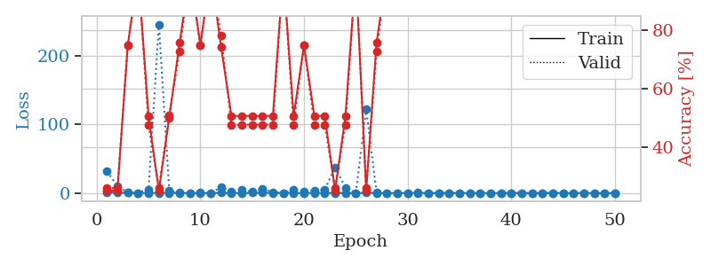
train_loss | valid_loss | train_accuracy | valid_accuracy | dur | train_misclass | valid_misclass
0.96973590747 | 31.734667819 | 0.2527173913 | 0.26086956522 | 1.1552498341 | 25.27173913 | 26.086956522
0.57922871152 | 10.427539618 | 0.2527173913 | 0.26086956522 | 1.1493182182 | 25.27173913 | 26.086956522
0.33111614637 | 0.37611610604 | 0.75 | 0.75 | 1.149033308 | 75 | 75
0.18731636311 | 0.19922830942 | 1 | 1 | 1.1504125595 | 100 | 100
0.093989827225 | 5.4438627285 | 0.50815217391 | 0.47826086957 | 1.1503620148 | 50.815217391 | 47.826086957
0.30880172873 | 246.11465852 | 0.2527173913 | 0.26086956522 | 1.1521568298 | 25.27173913 | 26.086956522
0.29862042014 | 3.6749073941 | 0.5027173913 | 0.51086956522 | 1.1511120796 | 50.27173913 | 51.086956522
0.19787767675 | 0.46246547673 | 0.75815217391 | 0.72826086957 | 1.152659893 | 75.815217391 | 72.826086957
0.10109955623 | 0.062815129109 | 1 | 1 | 1.1594519615 | 100 | 100
0.147165035 | 0.66581045804 | 0.75 | 0.75 | 1.1525640488 | 75 | 75
0.19911258758 | 0.20411283296 | 1 | 1 | 1.1518104076 | 100 | 100
0.33431249482 | 8.5590980364 | 0.74456521739 | 0.78260869565 | 1.1568508148 | 74.456521739 | 78.260869565
0.1049291498 | 2.0117289191 | 0.50815217391 | 0.47826086957 | 1.1523234844 | 50.815217391 | 47.826086957
0.15828642279 | 4.6943102298 | 0.50815217391 | 0.47826086957 | 1.1517438889 | 50.815217391 | 47.826086957
0.32487690985 | 2.4976804101 | 0.50815217391 | 0.47826086957 | 1.1519098282 | 50.815217391 | 47.826086957
0.35549264889 | 5.7790451879 | 0.50815217391 | 0.47826086957 | 1.1521251202 | 50.815217391 | 47.826086957
0.19167751275 | 1.4964368758 | 0.50815217391 | 0.47826086957 | 1.1520078182 | 50.815217391 | 47.826086957
0.12564735216 | 0.14940793747 | 1 | 1 | 1.1535065174 | 100 | 100
0.13118662478 | 5.2413531386 | 0.50815217391 | 0.47826086957 | 1.1575474739 | 50.815217391 | 47.826086957
0.03828482752 | 2.4756962216 | 0.75 | 0.75 | 1.1533870697 | 75 | 75
0.052976530997 | 3.7284319297 | 0.50815217391 | 0.47826086957 | 1.1525390148 | 50.815217391 | 47.826086957
0.088365064291 | 5.1373186111 | 0.50815217391 | 0.47826086957 | 1.1542675495 | 50.815217391 | 47.826086957
0.21388681899 | 37.443472987 | 0.2527173913 | 0.26086956522 | 1.15229249 | 25.27173913 | 26.086956522
0.07686005801 | 8.0597623328 | 0.50815217391 | 0.47826086957 | 1.1528632641 | 50.815217391 | 47.826086957
0.034472331643 | 0.030063240424 | 1 | 1 | 1.1528635025 | 100 | 100
0.37853560099 | 122.79949719 | 0.2527173913 | 0.26086956522 | 1.1512413025 | 25.27173913 | 26.086956522
0.09532227683 | 1.1748179042 | 0.75815217391 | 0.72826086957 | 1.1523070335 | 75.815217391 | 72.826086957
0.063087894429 | 0.17001682455 | 1 | 1 | 1.1525785923 | 100 | 100
0.035456385519 | 0.022066332805 | 1 | 1 | 1.1531932354 | 100 | 100
0.03680105844 | 0.013579156493 | 1 | 1 | 1.1534252167 | 100 | 100
0.31610395046 | 0.062792613778 | 1 | 1 | 1.1532781124 | 100 | 100
0.035066054223 | 0.013239226952 | 1 | 1 | 1.1561131477 | 100 | 100
0.079736041472 | 0.0076402725004 | 1 | 1 | 1.1534693241 | 100 | 100
0.2527824212 | 0.10485480272 | 1 | 1 | 1.1534228325 | 100 | 100
0.13015353436 | 0.014262267469 | 1 | 1 | 1.15356493 | 100 | 100
0.034203212182 | 0.0048580074926 | 1 | 1 | 1.1539137363 | 100 | 100
0.026879275304 | 0.0035020669558 | 1 | 1 | 1.1539754868 | 100 | 100
0.082335455252 | 0.0022133877096 | 1 | 1 | 1.154109478 | 100 | 100
0.029998223854 | 0.0023693090872 | 1 | 1 | 1.153768301 | 100 | 100
0.076942571009 | 0.0035535842079 | 1 | 1 | 1.1540927887 | 100 | 100
0.034723626429 | 0.0013829816902 | 1 | 1 | 1.1542696953 | 100 | 100
0.015783984508 | 0.0017462375159 | 1 | 1 | 1.1538786888 | 100 | 100
0.024443623374 | 0.0023397385932 | 1 | 1 | 1.1544244289 | 100 | 100
0.16551027867 | 0.0017248742465 | 1 | 1 | 1.1534035206 | 100 | 100
0.018631653435 | 0.0029464791245 | 1 | 1 | 1.1537220478 | 100 | 100
0.034744813325 | 0.0016461287716 | 1 | 1 | 1.1535310745 | 100 | 100
0.077122028072 | 0.0014646006293 | 1 | 1 | 1.1535155773 | 100 | 100
0.012057166106 | 0.0018329876171 | 1 | 1 | 1.1527853012 | 100 | 100
0.011933766969 | 0.0017644473574 | 1 | 1 | 1.154143095 | 100 | 100
0.020044438338 | 0.0023208565544 | 1 | 1 | 1.1573712826 | 100 | 100

Best Val accuracy is 1.0 and Best test accuracy is 1.0

Sheet8
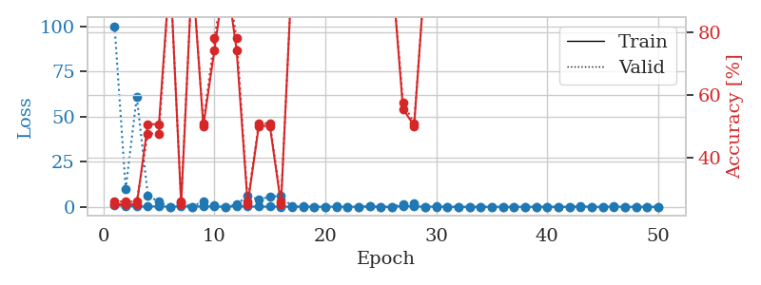
train_loss | valid_loss | train_accuracy | valid_accuracy | dur | train_misclass | valid_misclass
0.9251243498 | 100.16180917 | 0.2527173913 | 0.26086956522 | 1.1511688232 | 25.27173913 | 26.086956522
0.44836780299 | 9.8988095988 | 0.2527173913 | 0.26086956522 | 1.1480593681 | 25.27173913 | 26.086956522
0.24125505611 | 61.028615537 | 0.2527173913 | 0.26086956522 | 1.1517012119 | 25.27173913 | 26.086956522
0.16514652749 | 6.3074057206 | 0.50815217391 | 0.47826086957 | 1.1516144276 | 50.815217391 | 47.826086957
0.30698811101 | 2.769705109 | 0.50815217391 | 0.47826086957 | 1.1494336128 | 50.815217391 | 47.826086957
0.11051845498 | 0.10386820105 | 1 | 1 | 1.1517884731 | 100 | 100
0.2755756711 | 2.4366808819 | 0.2527173913 | 0.26086956522 | 1.1473286152 | 25.27173913 | 26.086956522
0.082137993091 | 0.02328756152 | 1 | 1 | 1.1487920284 | 100 | 100
0.36165666629 | 3.2784247087 | 0.5027173913 | 0.51086956522 | 1.1493551731 | 50.27173913 | 51.086956522
0.12765433431 | 0.89947449384 | 0.74456521739 | 0.78260869565 | 1.1510868073 | 74.456521739 | 78.260869565
0.10925440073 | 0.079102896154 | 1 | 1 | 1.1484382153 | 100 | 100
0.3347592224 | 1.3577537899 | 0.74456521739 | 0.78260869565 | 1.1497292519 | 74.456521739 | 78.260869565
0.16423920813 | 6.2370893022 | 0.2527173913 | 0.26086956522 | 1.1503136158 | 25.27173913 | 26.086956522
0.13262483797 | 4.0017898912 | 0.5027173913 | 0.51086956522 | 1.1498451233 | 50.27173913 | 51.086956522
0.13785601225 | 5.7293464827 | 0.5027173913 | 0.51086956522 | 1.1505272388 | 50.27173913 | 51.086956522
0.10528975831 | 6.0020852711 | 0.2527173913 | 0.26086956522 | 1.1536386013 | 25.27173913 | 26.086956522
0.15084412468 | 0.1136393492 | 1 | 1 | 1.1504068375 | 100 | 100
0.15371554737 | 0.021484258139 | 1 | 1 | 1.1488440037 | 100 | 100
0.086164634847 | 0.007854642468 | 1 | 1 | 1.1491546631 | 100 | 100
0.044776922031 | 0.0040360618504 | 1 | 1 | 1.1488850117 | 100 | 100
0.15526512624 | 0.062203837964 | 1 | 1 | 1.1487777233 | 100 | 100
0.0432347195 | 0.010516506012 | 1 | 1 | 1.1501336098 | 100 | 100
0.10799586812 | 0.0036734753167 | 1 | 1 | 1.1490309238 | 100 | 100
0.22405768352 | 0.17341267253 | 1 | 1 | 1.1490330696 | 100 | 100
0.016904920517 | 0.0012999621939 | 1 | 1 | 1.1492364407 | 100 | 100
0.079056516968 | 0.002948634043 | 1 | 1 | 1.1492290497 | 100 | 100
0.36793135175 | 1.5008703056 | 0.55706521739 | 0.57608695652 | 1.1496391296 | 55.706521739 | 57.608695652
0.2334582705 | 1.8837194909 | 0.5027173913 | 0.51086956522 | 1.1506369114 | 50.27173913 | 51.086956522
0.12085898335 | 0.016192377828 | 1 | 1 | 1.1504352093 | 100 | 100
0.15424352457 | 0.0057632392677 | 1 | 1 | 1.1509253979 | 100 | 100
0.070331824989 | 0.0026872415278 | 1 | 1 | 1.150390625 | 100 | 100
0.021895871452 | 0.0019707449651 | 1 | 1 | 1.1515614986 | 100 | 100
0.016616320653 | 0.0020652044281 | 1 | 1 | 1.1507239342 | 100 | 100
0.018134966371 | 0.002361980277 | 1 | 1 | 1.1517083645 | 100 | 100
0.031891864097 | 0.001582998013 | 1 | 1 | 1.1520252228 | 100 | 100
0.06612519091 | 0.0013703035302 | 1 | 1 | 1.1521649361 | 100 | 100
0.041677403985 | 0.0020120039825 | 1 | 1 | 1.152153492 | 100 | 100
0.036248955795 | 0.0011688759804 | 1 | 1 | 1.1520018578 | 100 | 100
0.04301397674 | 0.0022575437274 | 1 | 1 | 1.1519529819 | 100 | 100
0.10738033898 | 0.0017979306412 | 1 | 1 | 1.1525642872 | 100 | 100
0.021737787359 | 0.0013055248267 | 1 | 1 | 1.1515204906 | 100 | 100
0.037203933036 | 0.0013880131149 | 1 | 1 | 1.1526212692 | 100 | 100
0.27797140779 | 0.0013315238251 | 1 | 1 | 1.1513440609 | 100 | 100
0.044899404473 | 0.0011557999887 | 1 | 1 | 1.1520195007 | 100 | 100
0.015497395268 | 0.0011771890315 | 1 | 1 | 1.1514728069 | 100 | 100
0.16993462158 | 0.0010571699114 | 1 | 1 | 1.1520245075 | 100 | 100
0.022878787435 | 0.0014899369663 | 1 | 1 | 1.1523213387 | 100 | 100
0.030268810191 | 0.0011326203011 | 1 | 1 | 1.1529147625 | 100 | 100
0.022430578395 | 0.0011006186048 | 1 | 1 | 1.1566281319 | 100 | 100
0.010435886499 | 0.0011953406805 | 1 | 1 | 1.1525890827 | 100 | 100

Best Val accuracy is 1.0 and Best test accuracy is 1.0

Sheet9
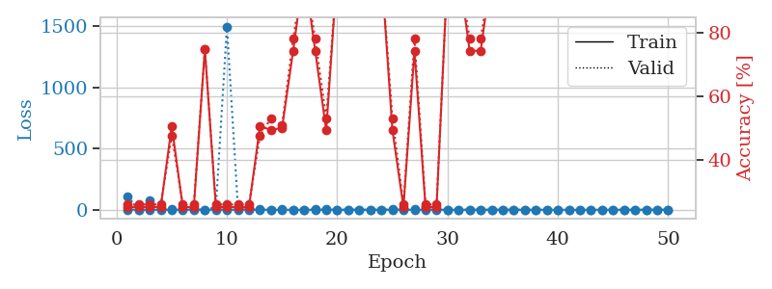
train_loss | valid_loss | train_accuracy | valid_accuracy | dur | train_misclass | valid_misclass
1.0785377777 | 109.34930984 | 0.2527173913 | 0.26086956522 | 1.1531345844 | 25.27173913 | 26.086956522
0.46278008819 | 1.2261048244 | 0.2527173913 | 0.26086956522 | 1.150292635 | 25.27173913 | 26.086956522
0.47409652951 | 78.320681033 | 0.2527173913 | 0.26086956522 | 1.1526868343 | 25.27173913 | 26.086956522
0.27355077798 | 5.439069126 | 0.2527173913 | 0.26086956522 | 1.1521570683 | 25.27173913 | 26.086956522
0.22635050539 | 1.9852596781 | 0.50815217391 | 0.47826086957 | 1.1534204483 | 50.815217391 | 47.826086957
0.31655357389 | 8.9121471073 | 0.2527173913 | 0.26086956522 | 1.1508507729 | 25.27173913 | 26.086956522
0.29921587783 | 2.4498973929 | 0.2527173913 | 0.26086956522 | 1.1532073021 | 25.27173913 | 26.086956522
0.22039718375 | 0.27177034254 | 0.75 | 0.75 | 1.1525449753 | 75 | 75
0.19668303519 | 20.268161027 | 0.2527173913 | 0.26086956522 | 1.1479825974 | 25.27173913 | 26.086956522
0.34581943917 | 1497.9862273 | 0.2527173913 | 0.26086956522 | 1.1500594616 | 25.27173913 | 26.086956522
0.20531889165 | 12.351880156 | 0.2527173913 | 0.26086956522 | 1.1510567665 | 25.27173913 | 26.086956522
0.26721149325 | 6.5154210796 | 0.2527173913 | 0.26086956522 | 1.149528265 | 25.27173913 | 26.086956522
0.26397417093 | 4.229189624 | 0.50815217391 | 0.47826086957 | 1.166205883 | 50.815217391 | 47.826086957
0.18578797648 | 1.4766602516 | 0.49456521739 | 0.53260869565 | 1.1510095596 | 49.456521739 | 53.260869565
0.10007096928 | 2.6058622702 | 0.5027173913 | 0.51086956522 | 1.1505582333 | 50.27173913 | 51.086956522
0.057549465043 | 0.22706726777 | 0.74456521739 | 0.78260869565 | 1.1499927044 | 74.456521739 | 78.260869565
0.064108480821 | 0.040453929616 | 1 | 1 | 1.1518127918 | 100 | 100
0.1478721693 | 1.9156999847 | 0.74456521739 | 0.78260869565 | 1.1511106491 | 74.456521739 | 78.260869565
0.17310875425 | 2.2356974457 | 0.49456521739 | 0.53260869565 | 1.1492216587 | 49.456521739 | 53.260869565
0.022172226368 | 0.012452817279 | 1 | 1 | 1.1496510506 | 100 | 100
0.035121019474 | 0.02521078491 | 1 | 1 | 1.1490769386 | 100 | 100
0.017548927394 | 0.0045562025119 | 1 | 1 | 1.1497132778 | 100 | 100
0.032501545274 | 0.0057801500408 | 1 | 1 | 1.1506199837 | 100 | 100
0.040473627891 | 0.0036176644144 | 1 | 1 | 1.1496953964 | 100 | 100
0.065772078395 | 4.7839256266 | 0.49456521739 | 0.53260869565 | 1.1542537212 | 49.456521739 | 53.260869565
0.1849422594 | 4.4463490714 | 0.2527173913 | 0.26086956522 | 1.1514942646 | 25.27173913 | 26.086956522
0.028708153733 | 2.716783451 | 0.74456521739 | 0.78260869565 | 1.1523947716 | 74.456521739 | 78.260869565
0.1582682355 | 20.760182505 | 0.2527173913 | 0.26086956522 | 1.1515669823 | 25.27173913 | 26.086956522
0.093137354408 | 3.1457894263 | 0.2527173913 | 0.26086956522 | 1.1514985561 | 25.27173913 | 26.086956522
0.017930831102 | 0.079436396451 | 1 | 1 | 1.1527683735 | 100 | 100
0.0076954987396 | 0.0034490855937 | 1 | 1 | 1.1516242027 | 100 | 100
0.14135796917 | 0.46092891304 | 0.74456521739 | 0.78260869565 | 1.1543912888 | 74.456521739 | 78.260869565
0.21651702865 | 0.33859559764 | 0.74456521739 | 0.78260869565 | 1.1516568661 | 74.456521739 | 78.260869565
0.046854911534 | 0.024064959958 | 1 | 1 | 1.1595447063 | 100 | 100
0.013197608606 | 0.0039783128456 | 1 | 1 | 1.1544675827 | 100 | 100
0.11335457816 | 0.0027862197679 | 1 | 1 | 1.1546266079 | 100 | 100
0.0092023447784 | 0.0040244003758 | 1 | 1 | 1.1535418034 | 100 | 100
0.018834782116 | 0.0030012051879 | 1 | 1 | 1.1525056362 | 100 | 100
0.017873153738 | 0.002704652988 | 1 | 1 | 1.1519801617 | 100 | 100
0.021323374817 | 0.0032750139134 | 1 | 1 | 1.1527447701 | 100 | 100
0.013866624162 | 0.0031594276104 | 1 | 1 | 1.152518034 | 100 | 100
0.010886317848 | 0.0027488658873 | 1 | 1 | 1.1522223949 | 100 | 100
0.005605126721 | 0.0026758047651 | 1 | 1 | 1.1524465084 | 100 | 100
0.0039498651117 | 0.0023918676939 | 1 | 1 | 1.1530172825 | 100 | 100
0.0053564230861 | 0.0023435346742 | 1 | 1 | 1.1528789997 | 100 | 100
0.0058913255849 | 0.0026434950288 | 1 | 1 | 1.1532063484 | 100 | 100
0.0068647206467 | 0.0024592504614 | 1 | 1 | 1.1535365582 | 100 | 100
0.0041069929468 | 0.0024117424112 | 1 | 1 | 1.1534330845 | 100 | 100
0.0098550413917 | 0.002485514578 | 1 | 1 | 1.1528544426 | 100 | 100
0.057794083593 | 0.0024296887847 | 1 | 1 | 1.1522443295 | 100 | 100

Best Val accuracy is 1.0 and Best test accuracy is 1.0

Sheet10
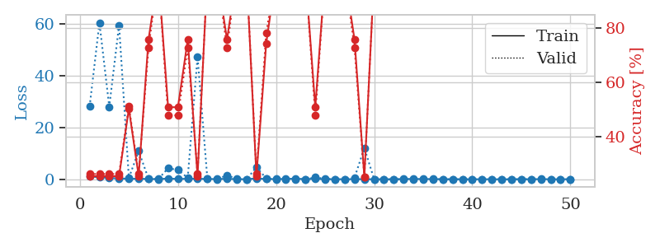
train_loss | valid_loss | train_accuracy | valid_accuracy | dur | train_misclass | valid_misclass
1.0419955642 | 28.108591163 | 0.2527173913 | 0.26086956522 | 1.1529977322 | 25.27173913 | 26.086956522
0.80495289357 | 60.475417262 | 0.2527173913 | 0.26086956522 | 1.1510374546 | 25.27173913 | 26.086956522
0.44445610889 | 27.98523679 | 0.2527173913 | 0.26086956522 | 1.1519913673 | 25.27173913 | 26.086956522
0.38958632493 | 59.519034344 | 0.2527173913 | 0.26086956522 | 1.1510329247 | 25.27173913 | 26.086956522
0.16128556268 | 0.53401650035 | 0.5027173913 | 0.51086956522 | 1.1515946388 | 50.27173913 | 51.086956522
0.25166868491 | 10.896728681 | 0.2527173913 | 0.26086956522 | 1.1527864933 | 25.27173913 | 26.086956522
0.098706672778 | 0.21412623123 | 0.75815217391 | 0.72826086957 | 1.1512122154 | 75.815217391 | 72.826086957
0.10585205346 | 0.076512779555 | 1 | 1 | 1.1524546146 | 100 | 100
0.27983428514 | 4.2781437273 | 0.50815217391 | 0.47826086957 | 1.1528902054 | 50.815217391 | 47.826086957
0.1424647502 | 3.5879627207 | 0.50815217391 | 0.47826086957 | 1.153424263 | 50.815217391 | 47.826086957
0.20500063771 | 0.56136051857 | 0.75815217391 | 0.72826086957 | 1.1548712254 | 75.815217391 | 72.826086957
0.20789011297 | 47.258990246 | 0.2527173913 | 0.26086956522 | 1.1542778015 | 25.27173913 | 26.086956522
0.12327405993 | 0.19623969625 | 1 | 1 | 1.1537787914 | 100 | 100
0.086746676906 | 0.016602017228 | 1 | 1 | 1.1534559727 | 100 | 100
0.20990317887 | 1.5815185568 | 0.75815217391 | 0.72826086957 | 1.1555752754 | 75.815217391 | 72.826086957
0.042263595306 | 0.12362065296 | 1 | 1 | 1.1531574726 | 100 | 100
0.041136233774 | 0.011977776602 | 1 | 1 | 1.1521887779 | 100 | 100
0.33204467014 | 4.6685712337 | 0.2527173913 | 0.26086956522 | 1.1530814171 | 25.27173913 | 26.086956522
0.10502320496 | 0.3834325425 | 0.74456521739 | 0.78260869565 | 1.152900219 | 74.456521739 | 78.260869565
0.087982834651 | 0.020834161212 | 1 | 1 | 1.1522264481 | 100 | 100
0.15724709176 | 0.014670745753 | 1 | 1 | 1.1528315544 | 100 | 100
0.24269302406 | 0.065467867028 | 1 | 1 | 1.1535415649 | 100 | 100
0.072281294452 | 0.036954942119 | 1 | 1 | 1.1526443958 | 100 | 100
0.21689203196 | 0.72873243042 | 0.50815217391 | 0.47826086957 | 1.1528782845 | 50.815217391 | 47.826086957
0.033246008689 | 0.20748625631 | 1 | 1 | 1.1536540985 | 100 | 100
0.059703678277 | 0.005010534908 | 1 | 1 | 1.1527421474 | 100 | 100
0.031815233144 | 0.0038214422276 | 1 | 1 | 1.1522951126 | 100 | 100
0.067820218159 | 0.60937965564 | 0.75815217391 | 0.72826086957 | 1.1521368027 | 75.815217391 | 72.826086957
0.048734405933 | 12.095054668 | 0.25 | 0.25 | 1.151658535 | 25 | 25
0.03181131337 | 0.0035831903452 | 1 | 1 | 1.152844429 | 100 | 100
0.018526374732 | 0.0059208726389 | 1 | 1 | 1.1531455517 | 100 | 100
0.022257718511 | 0.0013504630896 | 1 | 1 | 1.1532142162 | 100 | 100
0.11284930863 | 0.0079778171671 | 1 | 1 | 1.1520330906 | 100 | 100
0.1300145531 | 0.0033874063975 | 1 | 1 | 1.1526536942 | 100 | 100
0.10825342936 | 0.010190111787 | 1 | 1 | 1.1533885002 | 100 | 100
0.087604114798 | 0.0010835229667 | 1 | 1 | 1.1529409885 | 100 | 100
0.056490543554 | 0.001188648485 | 1 | 1 | 1.1535205841 | 100 | 100
0.014401794416 | 0.0023051683042 | 1 | 1 | 1.1519207954 | 100 | 100
0.042856236221 | 0.0011743785176 | 1 | 1 | 1.1520791054 | 100 | 100
0.0049097134995 | 0.0010812857198 | 1 | 1 | 1.1520035267 | 100 | 100
0.041730622384 | 0.0011523503699 | 1 | 1 | 1.152990818 | 100 | 100
0.025356457424 | 0.0012015949317 | 1 | 1 | 1.1532006264 | 100 | 100
0.010596397419 | 0.0011571268399 | 1 | 1 | 1.1518373489 | 100 | 100
0.0048391138097 | 0.0011396125344 | 1 | 1 | 1.1523280144 | 100 | 100
0.074093916962 | 0.00098372245228 | 1 | 1 | 1.1539237499 | 100 | 100
0.011400148885 | 0.001021319236 | 1 | 1 | 1.1541736126 | 100 | 100
0.08594644512 | 0.0010078124064 | 1 | 1 | 1.1527338028 | 100 | 100
0.018885658424 | 0.0013065004934 | 1 | 1 | 1.1519300938 | 100 | 100
0.039651824141 | 0.0013780203071 | 1 | 1 | 1.1526522636 | 100 | 100
0.024535974341 | 0.00090547447832 | 1 | 1 | 1.1528565884 | 100 | 100

Best Val accuracy is 1.0 and Best test accuracy is 1.0

