Sheet
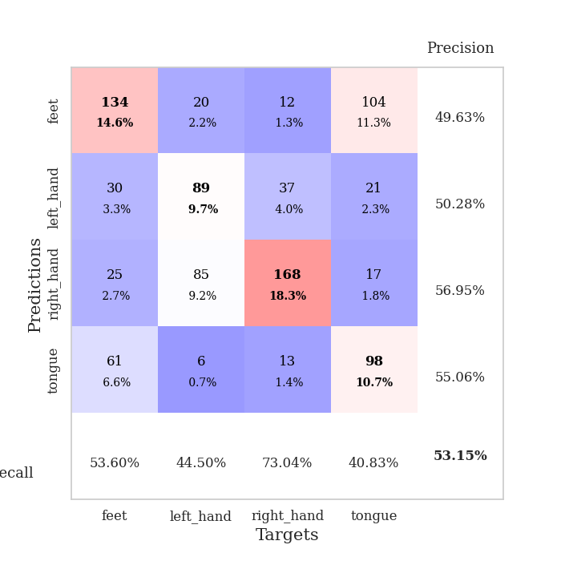
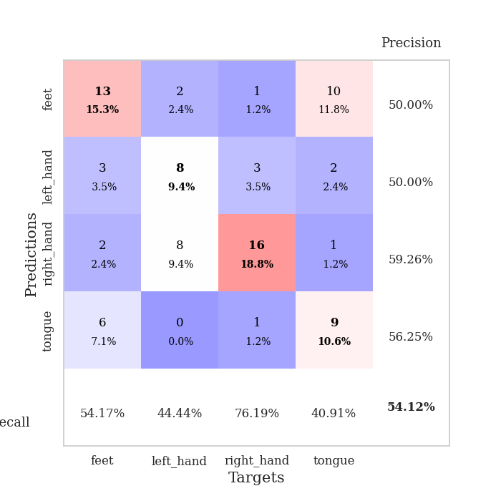
best_val_acc | best_val_los | best_test_acc
0.61956521739 | 1.1659738681 | 0.55172413793
0.52173913043 | 1.0054266038 | 0.52586206897
0.63043478261 | 1.085390744 | 0.56034482759
0.51086956522 | 1.5059685267 | 0.46551724138
0.52173913043 | 1.2590696993 | 0.39655172414
0.46739130435 | 1.39062769 | 0.47413793103
0.51086956522 | 1.7038318282 | 0.46551724138
0.52173913043 | 1.4199694602 | 0.37068965517
0.54347826087 | 1.1433269589 | 0.5775862069
0.46739130435 | 1.2544228564 | 0.36206896552

Mean,std Val accuracy is 0.5315217391304348 , 0.054816817016781365 and mean, std test accuracy is 0.4749999999999999 , 0.07905694150420947

Sheet1
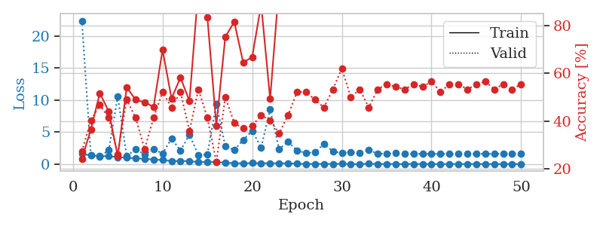
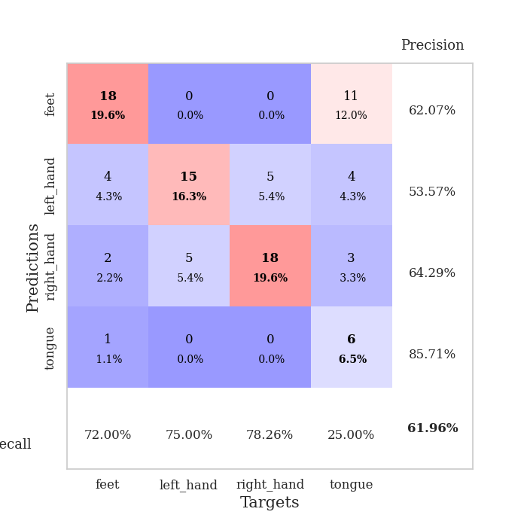
train_loss | valid_loss | train_accuracy | valid_accuracy | dur | train_misclass | valid_misclass
1.6105997977 | 22.415498153 | 0.24184782609 | 0.27173913043 | 2.8924937248 | 24.184782609 | 27.173913043
1.3453518204 | 1.4088759578 | 0.36413043478 | 0.40217391304 | 1.1274793148 | 36.413043478 | 40.217391304
1.2408304733 | 1.1659738681 | 0.51630434783 | 0.46739130435 | 1.1278550625 | 51.630434783 | 46.739130435
1.2300918102 | 2.1792733721 | 0.4402173913 | 0.41304347826 | 1.1282389164 | 44.02173913 | 41.304347826
1.0804827498 | 10.589211961 | 0.2527173913 | 0.26086956522 | 1.1255719662 | 25.27173913 | 26.086956522
0.97902223338 | 1.2178731457 | 0.54076086957 | 0.48913043478 | 1.1258022785 | 54.076086957 | 48.913043478
0.90578047348 | 2.361442851 | 0.48913043478 | 0.41304347826 | 1.1291263103 | 48.913043478 | 41.304347826
0.81182422845 | 1.4957058533 | 0.47826086957 | 0.28260869565 | 1.1264264584 | 47.826086957 | 28.260869565
0.70376770004 | 2.3581714319 | 0.45923913043 | 0.41304347826 | 1.1274516582 | 45.923913043 | 41.304347826
0.62140385353 | 1.6251563819 | 0.69836956522 | 0.52173913043 | 1.128266573 | 69.836956522 | 52.173913043
0.47821099991 | 4.0094088368 | 0.49456521739 | 0.45652173913 | 1.1307549477 | 49.456521739 | 45.652173913
0.46037707316 | 2.1225462115 | 0.58152173913 | 0.52173913043 | 1.12859869 | 58.152173913 | 52.173913043
0.46645336566 | 4.5841137637 | 0.48369565217 | 0.35869565217 | 1.1291465759 | 48.369565217 | 35.869565217
0.29479484649 | 1.3487986171 | 0.95652173913 | 0.53260869565 | 1.1299059391 | 95.652173913 | 53.260869565
0.32800562259 | 1.5181898915 | 0.83423913043 | 0.41304347826 | 1.1306545734 | 83.423913043 | 41.304347826
0.30248208959 | 9.3787005051 | 0.38043478261 | 0.22826086957 | 1.1289842129 | 38.043478261 | 22.826086957
0.21637569287 | 2.7855617482 | 0.7527173913 | 0.5 | 1.132737875 | 75.27173913 | 50
0.13863095261 | 2.1978308533 | 0.8152173913 | 0.39130434783 | 1.134462595 | 81.52173913 | 39.130434783
0.10441226909 | 3.7715475352 | 0.64402173913 | 0.36956521739 | 1.133713007 | 64.402173913 | 36.956521739
0.15148214222 | 5.201004557 | 0.66847826087 | 0.38043478261 | 1.1332554817 | 66.847826087 | 38.043478261
0.10992214609 | 2.560269957 | 0.88858695652 | 0.42391304348 | 1.1338737011 | 88.858695652 | 42.391304348
0.13242378926 | 8.5795692568 | 0.49184782609 | 0.40217391304 | 1.1332924366 | 49.184782609 | 40.217391304
0.10756258505 | 2.3409526866 | 0.96739130435 | 0.34782608696 | 1.1341805458 | 96.739130435 | 34.782608696
0.11201027957 | 3.4812012548 | 0.8777173913 | 0.42391304348 | 1.1348130703 | 87.77173913 | 42.391304348
0.044953266713 | 2.1161517579 | 0.97282608696 | 0.52173913043 | 1.1346545219 | 97.282608696 | 52.173913043
0.019298632202 | 1.7367171101 | 1 | 0.52173913043 | 1.1361787319 | 100 | 52.173913043
0.015346181393 | 1.8131741441 | 1 | 0.48913043478 | 1.136285305 | 100 | 48.913043478
0.0231581941 | 3.118543573 | 0.94293478261 | 0.45652173913 | 1.1361136436 | 94.293478261 | 45.652173913
0.016101884565 | 1.9876276125 | 1 | 0.53260869565 | 1.1365294456 | 100 | 53.260869565
0.036422831849 | 1.7050228689 | 1 | 0.61956521739 | 1.1362056732 | 100 | 61.956521739
0.012872340494 | 1.8359481511 | 1 | 0.5 | 1.1349039078 | 100 | 50
0.0051308248594 | 1.7344244045 | 1 | 0.53260869565 | 1.1354558468 | 100 | 53.260869565
0.03593874851 | 2.1957795775 | 1 | 0.45652173913 | 1.1370184422 | 100 | 45.652173913
0.0052258816267 | 1.6214681786 | 1 | 0.53260869565 | 1.1357109547 | 100 | 53.260869565
0.0087996520249 | 1.6179390576 | 1 | 0.55434782609 | 1.1368830204 | 100 | 55.434782609
0.0075139850062 | 1.6788038197 | 1 | 0.54347826087 | 1.1366841793 | 100 | 54.347826087
0.0022640341821 | 1.5742435559 | 1 | 0.53260869565 | 1.1366333961 | 100 | 53.260869565
0.0027300312371 | 1.6148679852 | 1 | 0.55434782609 | 1.1365554333 | 100 | 55.434782609
0.00077732314189 | 1.5784735965 | 1 | 0.54347826087 | 1.1374619007 | 100 | 54.347826087
0.0026744895288 | 1.5943717982 | 1 | 0.5652173913 | 1.136785984 | 100 | 56.52173913
0.00097638153744 | 1.5788651834 | 1 | 0.52173913043 | 1.1376712322 | 100 | 52.173913043
0.0011064341822 | 1.579321457 | 1 | 0.55434782609 | 1.1376507282 | 100 | 55.434782609
0.0016626269239 | 1.5725778911 | 1 | 0.55434782609 | 1.1373281479 | 100 | 55.434782609
0.0021063211873 | 1.5695804176 | 1 | 0.53260869565 | 1.137727499 | 100 | 53.260869565
0.0025737059123 | 1.5928204863 | 1 | 0.55434782609 | 1.1380465031 | 100 | 55.434782609
0.001097003048 | 1.58886556 | 1 | 0.5652173913 | 1.1377313137 | 100 | 56.52173913
0.001200613071 | 1.5804702795 | 1 | 0.53260869565 | 1.1382222176 | 100 | 53.260869565
0.0033412722785 | 1.6290986564 | 1 | 0.55434782609 | 1.1379551888 | 100 | 55.434782609
0.0019747989275 | 1.5729601357 | 1 | 0.53260869565 | 1.1378614902 | 100 | 53.260869565
0.0034546084568 | 1.6134198127 | 1 | 0.55434782609 | 1.1381332874 | 100 | 55.434782609

Best Val accuracy is 0.6195652173913043 and Best test accuracy is 0.5517241379310345

Sheet2
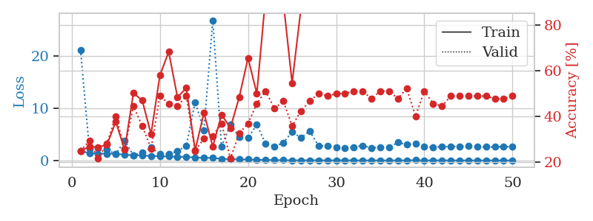
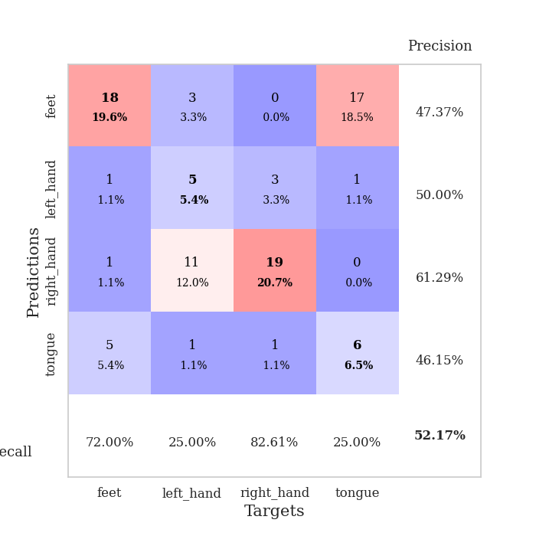
train_loss | valid_loss | train_accuracy | valid_accuracy | dur | train_misclass | valid_misclass
1.8268007506 | 21.257001048 | 0.25 | 0.25 | 1.1444709301 | 25 | 25
1.4004039298 | 2.1908930488 | 0.26902173913 | 0.29347826087 | 1.1356694698 | 26.902173913 | 29.347826087
1.2988727145 | 2.3531319007 | 0.26630434783 | 0.21739130435 | 1.1345655918 | 26.630434783 | 21.739130435
1.2993872321 | 2.0646511368 | 0.27717391304 | 0.28260869565 | 1.1371533871 | 27.717391304 | 28.260869565
1.2606224988 | 1.2291932054 | 0.3777173913 | 0.40217391304 | 1.1378650665 | 37.77173913 | 40.217391304
1.0881395288 | 3.7358843036 | 0.25543478261 | 0.26086956522 | 1.1406788826 | 25.543478261 | 26.086956522
1.0008934736 | 1.0054266038 | 0.5027173913 | 0.44565217391 | 1.1373028755 | 50.27173913 | 44.565217391
0.94169899173 | 1.513339732 | 0.47010869565 | 0.35869565217 | 1.1382985115 | 47.010869565 | 35.869565217
0.85989604307 | 2.4521131205 | 0.32336956522 | 0.26086956522 | 1.1366052628 | 32.336956522 | 26.086956522
0.8252868445 | 1.243105992 | 0.57880434783 | 0.48913043478 | 1.137994051 | 57.880434783 | 48.913043478
0.750355451 | 1.1677340787 | 0.68206521739 | 0.45652173913 | 1.1386163235 | 68.206521739 | 45.652173913
0.71332069324 | 1.8272913072 | 0.48369565217 | 0.44565217391 | 1.1380796432 | 48.369565217 | 44.565217391
0.67023757359 | 2.7972548474 | 0.52445652174 | 0.48913043478 | 1.1382622719 | 52.445652174 | 48.913043478
0.53281351924 | 11.209109887 | 0.2527173913 | 0.25 | 1.139383316 | 25.27173913 | 25
0.50847788738 | 5.7853328663 | 0.41576086957 | 0.30434782609 | 1.1394736767 | 41.576086957 | 30.434782609
0.47016160352 | 26.915163372 | 0.26902173913 | 0.3152173913 | 1.1397163868 | 26.902173913 | 31.52173913
0.29923605141 | 2.6857686768 | 0.40760869565 | 0.36956521739 | 1.1390054226 | 40.760869565 | 36.956521739
0.23419656734 | 6.8518365777 | 0.35054347826 | 0.21739130435 | 1.140008688 | 35.054347826 | 21.739130435
0.20481395559 | 4.5411943975 | 0.48369565217 | 0.32608695652 | 1.1398427486 | 48.369565217 | 32.608695652
0.18754761115 | 4.3680964864 | 0.65489130435 | 0.36956521739 | 1.1390366554 | 65.489130435 | 36.956521739
0.11854891349 | 6.8537810574 | 0.5 | 0.45652173913 | 1.1388847828 | 50 | 45.652173913
0.10327467958 | 3.214018744 | 0.92391304348 | 0.51086956522 | 1.1396021843 | 92.391304348 | 51.086956522
0.071102011868 | 2.7073515757 | 0.9972826087 | 0.4347826087 | 1.1400039196 | 99.72826087 | 43.47826087
0.042754864168 | 3.3596245932 | 0.90217391304 | 0.46739130435 | 1.1399202347 | 90.217391304 | 46.739130435
0.028504226169 | 5.5031301872 | 0.54619565217 | 0.35869565217 | 1.1393949986 | 54.619565217 | 35.869565217
0.021925039655 | 4.3278878461 | 0.86956521739 | 0.42391304348 | 1.1391413212 | 86.956521739 | 42.391304348
0.034030910819 | 5.6375525412 | 0.88043478261 | 0.46739130435 | 1.1398224831 | 88.043478261 | 46.739130435
0.023141895092 | 2.8064020509 | 0.96467391304 | 0.5 | 1.1404049397 | 96.467391304 | 50
0.016030946364 | 2.7745577097 | 1 | 0.48913043478 | 1.1397297382 | 100 | 48.913043478
0.016227079884 | 2.484479645 | 1 | 0.5 | 1.1402037144 | 100 | 50
0.020533264554 | 2.4371486384 | 1 | 0.5 | 1.1399970055 | 100 | 50
0.00770956455 | 2.574101106 | 0.9972826087 | 0.51086956522 | 1.1400721073 | 99.72826087 | 51.086956522
0.0096908251479 | 2.8377998497 | 1 | 0.51086956522 | 1.1398608685 | 100 | 51.086956522
0.0056409380657 | 2.4062051773 | 1 | 0.47826086957 | 1.1407580376 | 100 | 47.826086957
0.0033300830122 | 2.517790359 | 1 | 0.51086956522 | 1.1406633854 | 100 | 51.086956522
0.003012530984 | 2.4801431169 | 1 | 0.51086956522 | 1.1404290199 | 100 | 51.086956522
0.0072886930341 | 3.4545525986 | 1 | 0.47826086957 | 1.1419165134 | 100 | 47.826086957
0.0075539235904 | 3.0524409336 | 1 | 0.52173913043 | 1.1406962872 | 100 | 52.173913043
0.048275104195 | 3.2143033069 | 1 | 0.40217391304 | 1.1406383514 | 100 | 40.217391304
0.0077810695815 | 2.5872465372 | 1 | 0.51086956522 | 1.1404826641 | 100 | 51.086956522
0.0037165221672 | 2.5395856992 | 1 | 0.45652173913 | 1.1401679516 | 100 | 45.652173913
0.016150415245 | 2.5898342236 | 1 | 0.44565217391 | 1.140011549 | 100 | 44.565217391
0.0094665869825 | 2.7019557797 | 1 | 0.48913043478 | 1.1401405334 | 100 | 48.913043478
0.0025069265235 | 2.6514105641 | 1 | 0.48913043478 | 1.1398348808 | 100 | 48.913043478
0.0069558379878 | 2.7397620574 | 1 | 0.48913043478 | 1.1403696537 | 100 | 48.913043478
0.0028899335328 | 2.6090159831 | 1 | 0.48913043478 | 1.1401510239 | 100 | 48.913043478
0.0072699139937 | 2.5835260049 | 1 | 0.48913043478 | 1.1413652897 | 100 | 48.913043478
0.0021806486412 | 2.5934939177 | 1 | 0.47826086957 | 1.1440484524 | 100 | 47.826086957
0.0019535402288 | 2.6303831754 | 1 | 0.47826086957 | 1.1439347267 | 100 | 47.826086957
0.0021306792585 | 2.6274134543 | 1 | 0.48913043478 | 1.144109726 | 100 | 48.913043478

Best Val accuracy is 0.5217391304347826 and Best test accuracy is 0.5258620689655172

Sheet3
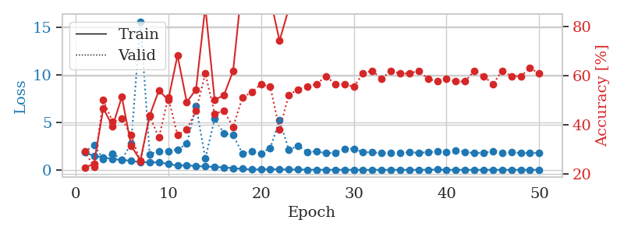
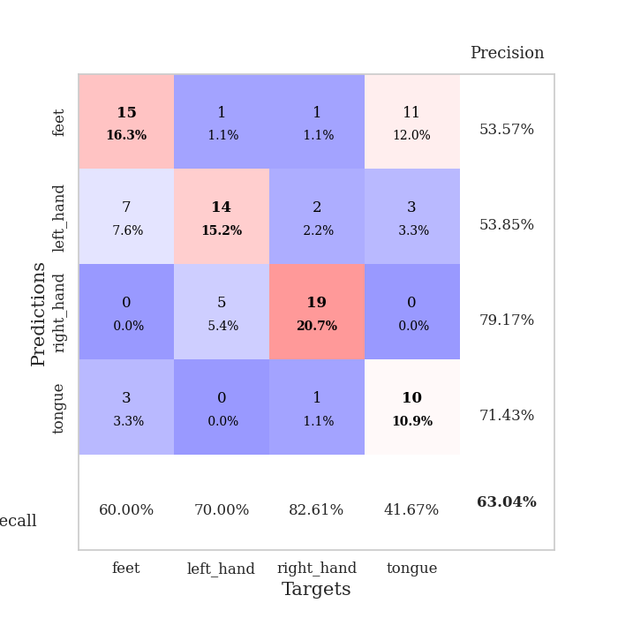
train_loss | valid_loss | train_accuracy | valid_accuracy | dur | train_misclass | valid_misclass
1.8411856216 | 1.8831146074 | 0.22554347826 | 0.29347826087 | 1.1416163445 | 22.554347826 | 29.347826087
1.4556743891 | 2.6032464401 | 0.24184782609 | 0.22826086957 | 1.1402566433 | 24.184782609 | 22.826086957
1.3335297263 | 1.1523340733 | 0.46739130435 | 0.5 | 1.1391756535 | 46.739130435 | 50
1.1286219384 | 1.7326833476 | 0.39402173913 | 0.41304347826 | 1.140791893 | 39.402173913 | 41.304347826
1.0591368675 | 1.085390744 | 0.51358695652 | 0.42391304348 | 1.1401686668 | 51.358695652 | 42.391304348
0.94491970798 | 2.7700838421 | 0.3152173913 | 0.35869565217 | 1.1409604549 | 31.52173913 | 35.869565217
0.8081354447 | 15.617566565 | 0.25543478261 | 0.25 | 1.1403989792 | 25.543478261 | 25
0.8131583022 | 1.6421579019 | 0.4375 | 0.4347826087 | 1.1407585144 | 43.75 | 43.47826087
0.77698651474 | 1.9741935678 | 0.54076086957 | 0.34782608696 | 1.1403098106 | 54.076086957 | 34.782608696
0.62036159375 | 1.9751772466 | 0.5 | 0.51086956522 | 1.1405918598 | 50 | 51.086956522
0.4545320402 | 2.1516223317 | 0.68206521739 | 0.35869565217 | 1.1416499615 | 68.206521739 | 35.869565217
0.4996225957 | 2.730915194 | 0.49184782609 | 0.38043478261 | 1.1400036812 | 49.184782609 | 38.043478261
0.39004493472 | 6.7150264823 | 0.54347826087 | 0.45652173913 | 1.140992403 | 54.347826087 | 45.652173913
0.35403247825 | 1.1807660901 | 0.88043478261 | 0.60869565217 | 1.1414251328 | 88.043478261 | 60.869565217
0.30764360791 | 5.3711412679 | 0.5027173913 | 0.44565217391 | 1.1422495842 | 50.27173913 | 44.565217391
0.26349187416 | 3.8643154061 | 0.51902173913 | 0.45652173913 | 1.1405687332 | 51.902173913 | 45.652173913
0.17204670349 | 3.660746336 | 0.61956521739 | 0.39130434783 | 1.1406335831 | 61.956521739 | 39.130434783
0.10910301145 | 1.7129053499 | 0.98369565217 | 0.51086956522 | 1.1398508549 | 98.369565217 | 51.086956522
0.040213365902 | 1.94836616 | 0.9972826087 | 0.53260869565 | 1.1408884525 | 99.72826087 | 53.260869565
0.055473086293 | 1.7304270941 | 0.9972826087 | 0.5652173913 | 1.1404240131 | 99.72826087 | 56.52173913
0.067687539606 | 2.3180359136 | 0.91304347826 | 0.55434782609 | 1.1407499313 | 91.304347826 | 55.434782609
0.064708232404 | 5.1931089318 | 0.74184782609 | 0.38043478261 | 1.1402840614 | 74.184782609 | 38.043478261
0.030972243355 | 2.1377929864 | 0.8722826087 | 0.52173913043 | 1.140563488 | 87.22826087 | 52.173913043
0.041662751879 | 2.4896989387 | 0.97826086957 | 0.54347826087 | 1.1400561333 | 97.826086957 | 54.347826087
0.020368781406 | 1.9047735981 | 1 | 0.55434782609 | 1.1412956715 | 100 | 55.434782609
0.010959261626 | 1.9273269902 | 1 | 0.5652173913 | 1.1406726837 | 100 | 56.52173913
0.00624781395 | 1.7545020684 | 1 | 0.59782608696 | 1.1410627365 | 100 | 59.782608696
0.007619071004 | 1.8190953887 | 1 | 0.5652173913 | 1.1406440735 | 100 | 56.52173913
0.018378973941 | 2.236027956 | 0.99456521739 | 0.5652173913 | 1.1414470673 | 99.456521739 | 56.52173913
0.0087374696399 | 2.2151484593 | 1 | 0.55434782609 | 1.1406707764 | 100 | 55.434782609
0.0036842985137 | 1.866513641 | 1 | 0.60869565217 | 1.1430687904 | 100 | 60.869565217
0.0034425706177 | 1.8389609637 | 1 | 0.61956521739 | 1.1464269161 | 100 | 61.956521739
0.0019834425323 | 1.7836335794 | 1 | 0.58695652174 | 1.1413404942 | 100 | 58.695652174
0.0034079119157 | 1.7592244978 | 1 | 0.61956521739 | 1.14041996 | 100 | 61.956521739
0.0026979332188 | 1.769377527 | 1 | 0.60869565217 | 1.1403925419 | 100 | 60.869565217
0.0041965846113 | 1.8758132458 | 1 | 0.60869565217 | 1.1432464123 | 100 | 60.869565217
0.0017625696751 | 1.7885721766 | 1 | 0.61956521739 | 1.1441690922 | 100 | 61.956521739
0.018343995139 | 1.8705805799 | 1 | 0.58695652174 | 1.1454172134 | 100 | 58.695652174
0.032034946804 | 1.9205461896 | 1 | 0.57608695652 | 1.1447591782 | 100 | 57.608695652
0.0021034034099 | 1.8698724819 | 1 | 0.58695652174 | 1.1450607777 | 100 | 58.695652174
0.0050789365544 | 2.0591828823 | 1 | 0.57608695652 | 1.1454348564 | 100 | 57.608695652
0.003173817473 | 1.9013932477 | 1 | 0.57608695652 | 1.145565033 | 100 | 57.608695652
0.0061643570687 | 1.7637555496 | 1 | 0.61956521739 | 1.1451022625 | 100 | 61.956521739
0.0027951400654 | 1.7960298994 | 1 | 0.59782608696 | 1.1464529037 | 100 | 59.782608696
0.014599918364 | 1.9369030724 | 1 | 0.5652173913 | 1.1457550526 | 100 | 56.52173913
0.002444522113 | 1.7728798078 | 1 | 0.61956521739 | 1.1453158855 | 100 | 61.956521739
0.0057168710963 | 1.8570521863 | 1 | 0.59782608696 | 1.1459543705 | 100 | 59.782608696
0.0017541569554 | 1.769014711 | 1 | 0.59782608696 | 1.1455900669 | 100 | 59.782608696
0.0062250576403 | 1.7856741884 | 1 | 0.63043478261 | 1.1449613571 | 100 | 63.043478261
0.0031845040984 | 1.7894169248 | 1 | 0.60869565217 | 1.1410200596 | 100 | 60.869565217

Best Val accuracy is 0.6304347826086957 and Best test accuracy is 0.5603448275862069

Sheet4
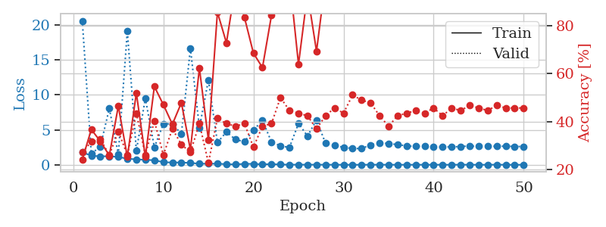
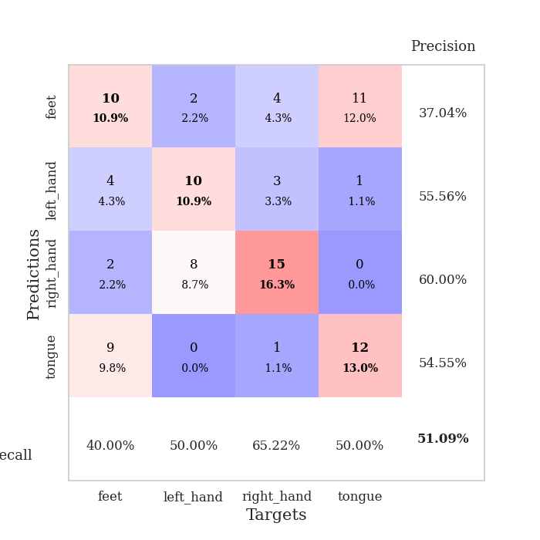
train_loss | valid_loss | train_accuracy | valid_accuracy | dur | train_misclass | valid_misclass
1.7932307046 | 20.61281652 | 0.24184782609 | 0.27173913043 | 1.1420617104 | 24.184782609 | 27.173913043
1.2981153156 | 1.5681926479 | 0.36684782609 | 0.3152173913 | 1.1398925781 | 36.684782609 | 31.52173913
1.2107988363 | 2.6213819773 | 0.31793478261 | 0.32608695652 | 1.1391999722 | 31.793478261 | 32.608695652
1.2159789023 | 8.0498565798 | 0.25815217391 | 0.26086956522 | 1.139903307 | 25.815217391 | 26.086956522
1.1203789607 | 1.5059685267 | 0.46467391304 | 0.35869565217 | 1.1384897232 | 46.467391304 | 35.869565217
0.87190883833 | 19.151692598 | 0.2527173913 | 0.26086956522 | 1.138759613 | 25.27173913 | 26.086956522
0.77260657497 | 2.0126832931 | 0.51902173913 | 0.4347826087 | 1.1380898952 | 51.902173913 | 43.47826087
0.71671496267 | 9.4993867874 | 0.2527173913 | 0.26086956522 | 1.1402747631 | 25.27173913 | 26.086956522
0.6426442732 | 2.5025251534 | 0.54619565217 | 0.40217391304 | 1.1387684345 | 54.619565217 | 40.217391304
0.37358164107 | 5.853809025 | 0.47010869565 | 0.26086956522 | 1.1385109425 | 47.010869565 | 26.086956522
0.31676856396 | 5.8654160914 | 0.38858695652 | 0.36956521739 | 1.1381323338 | 38.858695652 | 36.956521739
0.32855876244 | 4.402868727 | 0.47826086957 | 0.30434782609 | 1.1388430595 | 47.826086957 | 30.434782609
0.2607875008 | 16.67256687 | 0.28260869565 | 0.27173913043 | 1.1401355267 | 28.260869565 | 27.173913043
0.15742696271 | 5.310665255 | 0.6222826087 | 0.39130434783 | 1.1392307281 | 62.22826087 | 39.130434783
0.14240882327 | 12.141774385 | 0.32336956522 | 0.22826086957 | 1.1396248341 | 32.336956522 | 22.826086957
0.16588942941 | 3.193790301 | 0.85597826087 | 0.41304347826 | 1.1403427124 | 85.597826087 | 41.304347826
0.076868119204 | 4.6961767777 | 0.72826086957 | 0.39130434783 | 1.1397469044 | 72.826086957 | 39.130434783
0.056449952247 | 3.6202206508 | 0.96467391304 | 0.38043478261 | 1.1421616077 | 96.467391304 | 38.043478261
0.13139949885 | 3.2975902506 | 0.83423913043 | 0.39130434783 | 1.1439127922 | 83.423913043 | 39.130434783
0.12967844913 | 4.9537162988 | 0.6847826087 | 0.29347826087 | 1.1437022686 | 68.47826087 | 29.347826087
0.061158365712 | 6.3556185598 | 0.625 | 0.38043478261 | 1.1433491707 | 62.5 | 38.043478261
0.094565512643 | 3.269888909 | 0.84239130435 | 0.39130434783 | 1.1435172558 | 84.239130435 | 39.130434783
0.041157126396 | 2.7095273966 | 0.99456521739 | 0.5 | 1.1439135075 | 99.456521739 | 50
0.013587815634 | 2.4794500172 | 1 | 0.44565217391 | 1.1411111355 | 100 | 44.565217391
0.017342725108 | 5.9330625949 | 0.63858695652 | 0.4347826087 | 1.1434240341 | 63.858695652 | 43.47826087
0.014053933787 | 4.1010655113 | 0.9347826087 | 0.42391304348 | 1.1442394257 | 93.47826087 | 42.391304348
0.015248106216 | 6.4131045134 | 0.69293478261 | 0.36956521739 | 1.1437499523 | 69.293478261 | 36.956521739
0.010763746465 | 3.0873159326 | 0.98913043478 | 0.42391304348 | 1.1436824799 | 98.913043478 | 42.391304348
0.0069942406427 | 2.7923942208 | 1 | 0.45652173913 | 1.1436843872 | 100 | 45.652173913
0.0035348739918 | 2.4964142545 | 1 | 0.4347826087 | 1.1434354782 | 100 | 43.47826087
0.0034682480217 | 2.3244380303 | 1 | 0.51086956522 | 1.1439852715 | 100 | 51.086956522
0.0047494210581 | 2.324574004 | 1 | 0.48913043478 | 1.1424670219 | 100 | 48.913043478
0.011936882896 | 2.8426705677 | 1 | 0.47826086957 | 1.1438920498 | 100 | 47.826086957
0.010612023844 | 3.1585918095 | 1 | 0.42391304348 | 1.1441674232 | 100 | 42.391304348
0.0080953879841 | 3.0362889222 | 1 | 0.38043478261 | 1.1443831921 | 100 | 38.043478261
0.0034688801686 | 2.8926580885 | 1 | 0.42391304348 | 1.1438353062 | 100 | 42.391304348
0.0058647233559 | 2.695469097 | 1 | 0.4347826087 | 1.1443769932 | 100 | 43.47826087
0.004458839256 | 2.6331761894 | 1 | 0.44565217391 | 1.1445870399 | 100 | 44.565217391
0.0091106912384 | 2.7309025707 | 1 | 0.4347826087 | 1.1455726624 | 100 | 43.47826087
0.0052933601002 | 2.5390323737 | 1 | 0.45652173913 | 1.1449985504 | 100 | 45.652173913
0.011261271853 | 2.5424571892 | 1 | 0.42391304348 | 1.1445360184 | 100 | 42.391304348
0.001523966417 | 2.5600132631 | 1 | 0.45652173913 | 1.1457071304 | 100 | 45.652173913
0.018533207165 | 2.6122177658 | 1 | 0.44565217391 | 1.1451611519 | 100 | 44.565217391
0.004529631565 | 2.6907439258 | 1 | 0.46739130435 | 1.1459102631 | 100 | 46.739130435
0.0043567152341 | 2.6304872632 | 1 | 0.45652173913 | 1.1453516483 | 100 | 45.652173913
0.0022977407112 | 2.6332325676 | 1 | 0.44565217391 | 1.1457087994 | 100 | 44.565217391
0.017596858983 | 2.6497098907 | 1 | 0.46739130435 | 1.145365715 | 100 | 46.739130435
0.0013785589703 | 2.6558183121 | 1 | 0.45652173913 | 1.1459190845 | 100 | 45.652173913
0.0028720878251 | 2.6249901808 | 1 | 0.45652173913 | 1.1453840733 | 100 | 45.652173913
0.0013800071601 | 2.6038728978 | 1 | 0.45652173913 | 1.1458749771 | 100 | 45.652173913

Best Val accuracy is 0.5108695652173914 and Best test accuracy is 0.46551724137931033

Sheet5
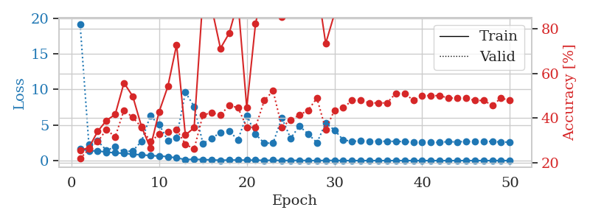
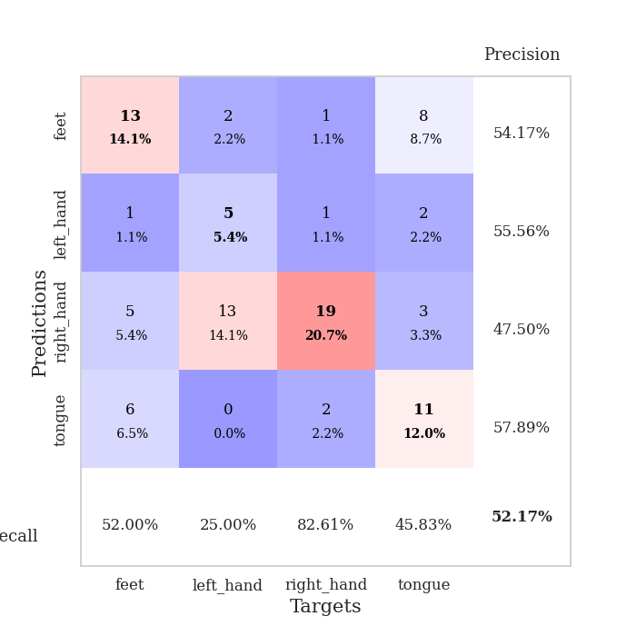
train_loss | valid_loss | train_accuracy | valid_accuracy | dur | train_misclass | valid_misclass
1.6623668308 | 19.150062312 | 0.25543478261 | 0.21739130435 | 1.1424531937 | 25.543478261 | 21.739130435
1.3778001122 | 2.2493254931 | 0.26630434783 | 0.26086956522 | 1.1394240856 | 26.630434783 | 26.086956522
1.3638366202 | 2.7731421512 | 0.33967391304 | 0.29347826087 | 1.1414010525 | 33.967391304 | 29.347826087
1.1858140541 | 1.445750703 | 0.38858695652 | 0.34782608696 | 1.1405217648 | 38.858695652 | 34.782608696
1.0952223643 | 1.9253898133 | 0.41576086957 | 0.3152173913 | 1.1409766674 | 41.576086957 | 31.52173913
1.0190636516 | 1.2590696993 | 0.55706521739 | 0.4347826087 | 1.138769865 | 55.706521739 | 43.47826087
0.894394377 | 1.35663683 | 0.4972826087 | 0.40217391304 | 1.1406779289 | 49.72826087 | 40.217391304
0.80913717073 | 2.7143156943 | 0.36141304348 | 0.35869565217 | 1.139487505 | 36.141304348 | 35.869565217
0.71146203124 | 6.2777810511 | 0.26630434783 | 0.29347826087 | 1.1414992809 | 26.630434783 | 29.347826087
0.63991699918 | 5.085387147 | 0.42663043478 | 0.32608695652 | 1.1441524029 | 42.663043478 | 32.608695652
0.56185447651 | 2.8471280907 | 0.54076086957 | 0.33695652174 | 1.1440968513 | 54.076086957 | 33.695652174
0.37308103462 | 3.256917912 | 0.72826086957 | 0.34782608696 | 1.1437866688 | 72.826086957 | 34.782608696
0.15252299526 | 9.6043058893 | 0.32336956522 | 0.28260869565 | 1.1435716152 | 32.336956522 | 28.260869565
0.18401066975 | 7.6108725175 | 0.35597826087 | 0.26086956522 | 1.1433346272 | 35.597826087 | 26.086956522
0.15307882408 | 2.4062007562 | 0.94293478261 | 0.41304347826 | 1.1427145004 | 94.293478261 | 41.304347826
0.098846335774 | 3.1292551911 | 0.89402173913 | 0.42391304348 | 1.144231081 | 89.402173913 | 42.391304348
0.053105033549 | 3.9547022115 | 0.71195652174 | 0.41304347826 | 1.1454520226 | 71.195652174 | 41.304347826
0.079242086078 | 4.1065333408 | 0.77989130435 | 0.45652173913 | 1.1452722549 | 77.989130435 | 45.652173913
0.081794158292 | 2.9511955717 | 0.92119565217 | 0.44565217391 | 1.141784668 | 92.119565217 | 44.565217391
0.063620213151 | 6.3639186776 | 0.44565217391 | 0.35869565217 | 1.145529747 | 44.565217391 | 35.869565217
0.069245497392 | 3.7102216327 | 0.82336956522 | 0.35869565217 | 1.145365715 | 82.336956522 | 35.869565217
0.034879659055 | 2.4513670517 | 0.99456521739 | 0.47826086957 | 1.1456115246 | 99.456521739 | 47.826086957
0.054246885813 | 2.4628257751 | 0.99184782609 | 0.52173913043 | 1.1425979137 | 99.184782609 | 52.173913043
0.015400652693 | 5.9916708158 | 0.85326086957 | 0.35869565217 | 1.1396753788 | 85.326086957 | 35.869565217
0.028028473045 | 3.13613733 | 0.98369565217 | 0.39130434783 | 1.1432986259 | 98.369565217 | 39.130434783
0.034669104376 | 4.8452630769 | 0.92663043478 | 0.41304347826 | 1.1449174881 | 92.663043478 | 41.304347826
0.012839608193 | 3.7584829693 | 0.94836956522 | 0.4347826087 | 1.1448271275 | 94.836956522 | 43.47826087
0.0041242287856 | 2.5110789641 | 1 | 0.48913043478 | 1.144518137 | 100 | 48.913043478
0.027114854817 | 5.263329226 | 0.73369565217 | 0.34782608696 | 1.1451675892 | 73.369565217 | 34.782608696
0.026657014237 | 4.293466454 | 0.86684782609 | 0.4347826087 | 1.1451656818 | 86.684782609 | 43.47826087
0.0097205181196 | 2.9004690906 | 1 | 0.44565217391 | 1.146184206 | 100 | 44.565217391
0.00285271684 | 2.7241982584 | 1 | 0.47826086957 | 1.1460592747 | 100 | 47.826086957
0.0040693148849 | 2.7461335504 | 1 | 0.47826086957 | 1.1459462643 | 100 | 47.826086957
0.0031965113392 | 2.7214523813 | 1 | 0.46739130435 | 1.1465938091 | 100 | 46.739130435
0.0026489657536 | 2.7430946723 | 1 | 0.46739130435 | 1.146592617 | 100 | 46.739130435
0.0027619204395 | 2.7044066191 | 1 | 0.46739130435 | 1.1461763382 | 100 | 46.739130435
0.0030835944635 | 2.7162834872 | 1 | 0.51086956522 | 1.145939827 | 100 | 51.086956522
0.0061615341483 | 2.6514348776 | 1 | 0.51086956522 | 1.1461305618 | 100 | 51.086956522
0.0013806597075 | 2.6184316666 | 1 | 0.47826086957 | 1.1458566189 | 100 | 47.826086957
0.0048573023295 | 2.5502310369 | 1 | 0.5 | 1.1468541622 | 100 | 50
0.00308303678 | 2.5447575994 | 1 | 0.5 | 1.1471164227 | 100 | 50
0.0018592827964 | 2.5739039183 | 1 | 0.5 | 1.1471056938 | 100 | 50
0.0011998718369 | 2.6602154659 | 1 | 0.48913043478 | 1.1458268166 | 100 | 48.913043478
0.0023525350524 | 2.6211029965 | 1 | 0.48913043478 | 1.1463088989 | 100 | 48.913043478
0.0039107363105 | 2.7081725908 | 1 | 0.48913043478 | 1.1460278034 | 100 | 48.913043478
0.0035841355338 | 2.6564000793 | 1 | 0.47826086957 | 1.1471283436 | 100 | 47.826086957
0.0021921163241 | 2.6430572427 | 1 | 0.47826086957 | 1.1469531059 | 100 | 47.826086957
0.0024637144601 | 2.7185469503 | 1 | 0.45652173913 | 1.1470346451 | 100 | 45.652173913
0.0084755632434 | 2.5887057107 | 1 | 0.48913043478 | 1.1467986107 | 100 | 48.913043478
0.0020679045053 | 2.6174125982 | 1 | 0.47826086957 | 1.1463899612 | 100 | 47.826086957

Best Val accuracy is 0.5217391304347826 and Best test accuracy is 0.39655172413793105

Sheet6
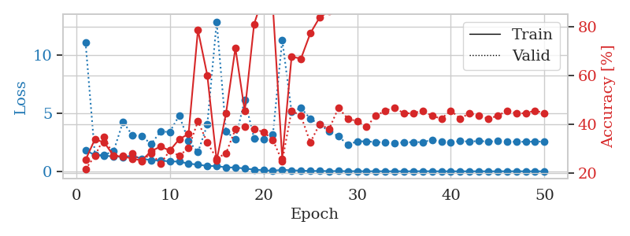
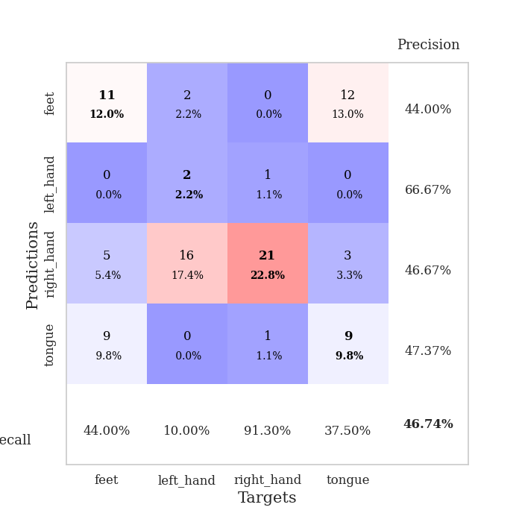
train_loss | valid_loss | train_accuracy | valid_accuracy | dur | train_misclass | valid_misclass
1.8185027527 | 11.064140113 | 0.25543478261 | 0.21739130435 | 1.1452381611 | 25.543478261 | 21.739130435
1.3825470416 | 1.39062769 | 0.33967391304 | 0.27173913043 | 1.1413319111 | 33.967391304 | 27.173913043
1.3296571296 | 1.407289023 | 0.32608695652 | 0.34782608696 | 1.1402623653 | 32.608695652 | 34.782608696
1.2809307057 | 1.7352790573 | 0.27173913043 | 0.27173913043 | 1.1418948174 | 27.173913043 | 27.173913043
1.2298026733 | 4.2484191397 | 0.26902173913 | 0.27173913043 | 1.141525507 | 26.902173913 | 27.173913043
1.339489149 | 3.0900395435 | 0.26086956522 | 0.28260869565 | 1.1425797939 | 26.086956522 | 28.260869565
1.0804095864 | 3.0263266045 | 0.2527173913 | 0.25 | 1.1440725327 | 25.27173913 | 25
0.95721526509 | 2.3433312592 | 0.29076086957 | 0.28260869565 | 1.1454715729 | 29.076086957 | 28.260869565
0.93238143299 | 3.3967979058 | 0.3097826087 | 0.23913043478 | 1.1456058025 | 30.97826087 | 23.913043478
0.84687201355 | 3.3895254031 | 0.29347826087 | 0.29347826087 | 1.1447570324 | 29.347826087 | 29.347826087
0.83684078118 | 4.7857079817 | 0.33967391304 | 0.27173913043 | 1.1451535225 | 33.967391304 | 27.173913043
0.6608093679 | 2.6015119967 | 0.36141304348 | 0.30434782609 | 1.1452059746 | 36.141304348 | 30.434782609
0.57062277975 | 1.638557999 | 0.78532608696 | 0.41304347826 | 1.1444909573 | 78.532608696 | 41.304347826
0.45963087289 | 4.0016449016 | 0.60054347826 | 0.32608695652 | 1.1433382034 | 60.054347826 | 32.608695652
0.4486147269 | 12.839875512 | 0.2527173913 | 0.26086956522 | 1.1446347237 | 25.27173913 | 26.086956522
0.33531772831 | 3.4101969781 | 0.44565217391 | 0.28260869565 | 1.1464657784 | 44.565217391 | 28.260869565
0.32508421754 | 2.7604434283 | 0.71195652174 | 0.38043478261 | 1.1467788219 | 71.195652174 | 38.043478261
0.2418171369 | 6.1524313429 | 0.45380434783 | 0.39130434783 | 1.1449627876 | 45.380434783 | 39.130434783
0.14277343322 | 2.8104078822 | 0.8097826087 | 0.38043478261 | 1.1458170414 | 80.97826087 | 38.043478261
0.089863562066 | 2.7290672738 | 0.92663043478 | 0.36956521739 | 1.1465137005 | 92.663043478 | 36.956521739
0.046185327016 | 3.1237672827 | 0.88315217391 | 0.33695652174 | 1.1467087269 | 88.315217391 | 33.695652174
0.12966549561 | 11.279851229 | 0.26086956522 | 0.25 | 1.1453945637 | 26.086956522 | 25
0.080079648684 | 5.0974041483 | 0.67663043478 | 0.45652173913 | 1.1460261345 | 67.663043478 | 45.652173913
0.06169805779 | 5.4362842622 | 0.66847826087 | 0.4347826087 | 1.1434459686 | 66.847826087 | 43.47826087
0.02525667298 | 4.5097131936 | 0.77173913043 | 0.32608695652 | 1.1460130215 | 77.173913043 | 32.608695652
0.037860261206 | 4.0082716009 | 0.83695652174 | 0.40217391304 | 1.1466293335 | 83.695652174 | 40.217391304
0.017383421042 | 3.4430882827 | 0.86141304348 | 0.38043478261 | 1.1459333897 | 86.141304348 | 38.043478261
0.023001606199 | 3.0060304144 | 0.97282608696 | 0.46739130435 | 1.146543026 | 97.282608696 | 46.739130435
0.010644350773 | 2.2864492562 | 1 | 0.42391304348 | 1.144452095 | 100 | 42.391304348
0.015802264545 | 2.5608858959 | 1 | 0.41304347826 | 1.1466047764 | 100 | 41.304347826
0.0034880728294 | 2.5810191424 | 1 | 0.39130434783 | 1.1469070911 | 100 | 39.130434783
0.0094292450401 | 2.4960983214 | 1 | 0.4347826087 | 1.1456553936 | 100 | 43.47826087
0.0043899711733 | 2.5066402788 | 1 | 0.45652173913 | 1.1462836266 | 100 | 45.652173913
0.0026269349125 | 2.4277352976 | 1 | 0.46739130435 | 1.1472790241 | 100 | 46.739130435
0.0042101521609 | 2.4795002315 | 1 | 0.44565217391 | 1.1467585564 | 100 | 44.565217391
0.0034143035711 | 2.5086388899 | 1 | 0.44565217391 | 1.1462767124 | 100 | 44.565217391
0.011421179116 | 2.5019990465 | 1 | 0.45652173913 | 1.1458380222 | 100 | 45.652173913
0.0061319433798 | 2.7007695903 | 1 | 0.4347826087 | 1.1487834454 | 100 | 43.47826087
0.002206607506 | 2.524449307 | 1 | 0.42391304348 | 1.1473059654 | 100 | 42.391304348
0.0032792259172 | 2.4834368333 | 1 | 0.45652173913 | 1.147248745 | 100 | 45.652173913
0.0014726313846 | 2.593738359 | 1 | 0.42391304348 | 1.1472451687 | 100 | 42.391304348
0.004805476325 | 2.5489806196 | 1 | 0.44565217391 | 1.147292614 | 100 | 44.565217391
0.0033259455936 | 2.5961322888 | 1 | 0.4347826087 | 1.1473400593 | 100 | 43.47826087
0.0019632028631 | 2.5587802659 | 1 | 0.42391304348 | 1.1474125385 | 100 | 42.391304348
0.0019470391274 | 2.582957444 | 1 | 0.4347826087 | 1.1474525928 | 100 | 43.47826087
0.0061790106056 | 2.5370766702 | 1 | 0.45652173913 | 1.1474881172 | 100 | 45.652173913
0.0040686824897 | 2.5302778534 | 1 | 0.44565217391 | 1.1475884914 | 100 | 44.565217391
0.002906847239 | 2.5360783494 | 1 | 0.44565217391 | 1.1473939419 | 100 | 44.565217391
0.0029940530942 | 2.5538076421 | 1 | 0.45652173913 | 1.1476700306 | 100 | 45.652173913
0.0015727507441 | 2.5482091178 | 1 | 0.44565217391 | 1.1480109692 | 100 | 44.565217391

Best Val accuracy is 0.4673913043478261 and Best test accuracy is 0.47413793103448276

Sheet7
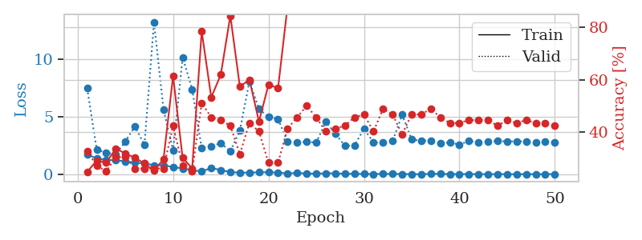
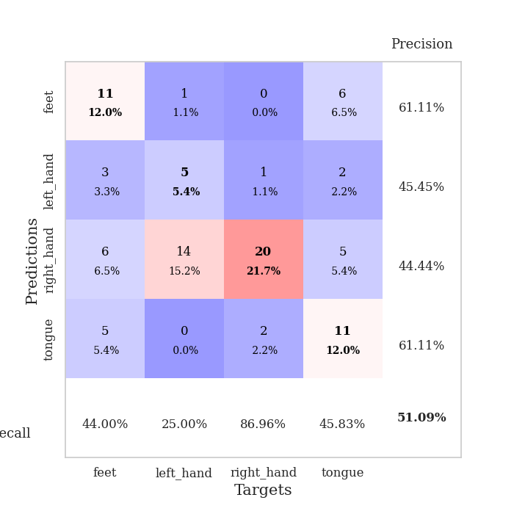
train_loss | valid_loss | train_accuracy | valid_accuracy | dur | train_misclass | valid_misclass
1.7142402918 | 7.4572807395 | 0.2472826087 | 0.32608695652 | 1.1460213661 | 24.72826087 | 32.608695652
1.3635516944 | 2.1285738945 | 0.29076086957 | 0.27173913043 | 1.1414711475 | 29.076086957 | 27.173913043
1.2367432999 | 1.877323529 | 0.28260869565 | 0.25 | 1.1445364952 | 28.260869565 | 25
1.2165110344 | 1.7038318282 | 0.33695652174 | 0.30434782609 | 1.1450717449 | 33.695652174 | 30.434782609
1.1214261418 | 2.8561563492 | 0.31793478261 | 0.30434782609 | 1.1455631256 | 31.793478261 | 30.434782609
1.0045381914 | 4.1464216398 | 0.30163043478 | 0.26086956522 | 1.146232605 | 30.163043478 | 26.086956522
0.94579286161 | 2.5484481635 | 0.27989130435 | 0.26086956522 | 1.1457219124 | 27.989130435 | 26.086956522
0.77419000864 | 13.205011575 | 0.2527173913 | 0.26086956522 | 1.1466104984 | 25.27173913 | 26.086956522
0.77045568046 | 5.603815597 | 0.29619565217 | 0.26086956522 | 1.1466133595 | 29.619565217 | 26.086956522
0.62542536596 | 2.0599918262 | 0.61413043478 | 0.42391304348 | 1.1471979618 | 61.413043478 | 42.391304348
0.49680608964 | 10.136350383 | 0.30163043478 | 0.27173913043 | 1.1480362415 | 30.163043478 | 27.173913043
0.36019814144 | 7.3752181012 | 0.26086956522 | 0.25 | 1.1462233067 | 26.086956522 | 25
0.23941716357 | 2.2418341637 | 0.78532608696 | 0.51086956522 | 1.1478848457 | 78.532608696 | 51.086956522
0.54271903245 | 2.4195970556 | 0.53260869565 | 0.45652173913 | 1.1453881264 | 53.260869565 | 45.652173913
0.36043537829 | 2.7004844261 | 0.61956521739 | 0.44565217391 | 1.1474862099 | 61.956521739 | 44.565217391
0.18363829605 | 1.9788465604 | 0.84510869565 | 0.42391304348 | 1.1461045742 | 84.510869565 | 42.391304348
0.13945787513 | 3.7981427441 | 0.57336956522 | 0.3152173913 | 1.1472902298 | 57.336956522 | 31.52173913
0.13847279047 | 8.0470251 | 0.60054347826 | 0.4347826087 | 1.1464955807 | 60.054347826 | 43.47826087
0.16737348797 | 5.6713140944 | 0.4402173913 | 0.40217391304 | 1.1469173431 | 44.02173913 | 40.217391304
0.17380297127 | 4.9649445078 | 0.58152173913 | 0.28260869565 | 1.1466653347 | 58.152173913 | 28.260869565
0.13676639699 | 4.7865607635 | 0.56793478261 | 0.28260869565 | 1.1480500698 | 56.793478261 | 28.260869565
0.0760211502 | 2.7995234832 | 0.88315217391 | 0.41304347826 | 1.1476659775 | 88.315217391 | 41.304347826
0.10745183715 | 2.7378046772 | 0.94293478261 | 0.45652173913 | 1.1472380161 | 94.293478261 | 45.652173913
0.062617396369 | 2.8141790421 | 0.86684782609 | 0.5 | 1.1469812393 | 86.684782609 | 50
0.041824033423 | 2.7444420535 | 0.97010869565 | 0.45652173913 | 1.1468558311 | 97.010869565 | 45.652173913
0.080863909401 | 4.560264774 | 0.9347826087 | 0.40217391304 | 1.1466491222 | 93.47826087 | 40.217391304
0.081049701695 | 3.5240160693 | 0.97282608696 | 0.41304347826 | 1.1472861767 | 97.282608696 | 41.304347826
0.034046732456 | 2.467441678 | 0.99456521739 | 0.42391304348 | 1.1473360062 | 99.456521739 | 42.391304348
0.03854377465 | 2.4964142779 | 1 | 0.45652173913 | 1.1474626064 | 100 | 45.652173913
0.020132051928 | 3.9293215171 | 0.9972826087 | 0.46739130435 | 1.1471204758 | 99.72826087 | 46.739130435
0.014712950713 | 2.7681862997 | 1 | 0.40217391304 | 1.1474349499 | 100 | 40.217391304
0.037822350966 | 2.7420621126 | 0.98641304348 | 0.48913043478 | 1.1467764378 | 98.641304348 | 48.913043478
0.023724810881 | 2.8762239943 | 0.96195652174 | 0.46739130435 | 1.1481630802 | 96.195652174 | 46.739130435
0.016742551167 | 5.1575765402 | 0.95923913043 | 0.39130434783 | 1.1477298737 | 95.923913043 | 39.130434783
0.0054460836868 | 3.0142862278 | 1 | 0.46739130435 | 1.1485011578 | 100 | 46.739130435
0.001812321268 | 2.8981877099 | 1 | 0.46739130435 | 1.1479065418 | 100 | 46.739130435
0.03644568147 | 2.9332472915 | 1 | 0.48913043478 | 1.1482791901 | 100 | 48.913043478
0.034808799451 | 2.6882166344 | 1 | 0.45652173913 | 1.1478288174 | 100 | 45.652173913
0.0066249356567 | 2.7669569409 | 1 | 0.4347826087 | 1.1482102871 | 100 | 43.47826087
0.015555200481 | 2.5627005981 | 1 | 0.4347826087 | 1.1479828358 | 100 | 43.47826087
0.0073909624012 | 2.8911966137 | 1 | 0.44565217391 | 1.1483654976 | 100 | 44.565217391
0.0072312706584 | 2.74624753 | 1 | 0.44565217391 | 1.147731781 | 100 | 44.565217391
0.0032237964118 | 2.8335833446 | 1 | 0.44565217391 | 1.1493895054 | 100 | 44.565217391
0.0083113888926 | 2.8746642755 | 1 | 0.42391304348 | 1.148358345 | 100 | 42.391304348
0.0015624116406 | 2.8466368551 | 1 | 0.44565217391 | 1.1484372616 | 100 | 44.565217391
0.0057652220364 | 2.8478563661 | 1 | 0.4347826087 | 1.148329258 | 100 | 43.47826087
0.0026200293828 | 2.8440086323 | 1 | 0.44565217391 | 1.1488070488 | 100 | 44.565217391
0.0046118303568 | 2.7525137715 | 1 | 0.4347826087 | 1.1485052109 | 100 | 43.47826087
0.0025799936696 | 2.8013682676 | 1 | 0.4347826087 | 1.14889431 | 100 | 43.47826087
0.0072480026075 | 2.7656346922 | 1 | 0.42391304348 | 1.1483561993 | 100 | 42.391304348

Best Val accuracy is 0.5108695652173914 and Best test accuracy is 0.46551724137931033

Sheet8
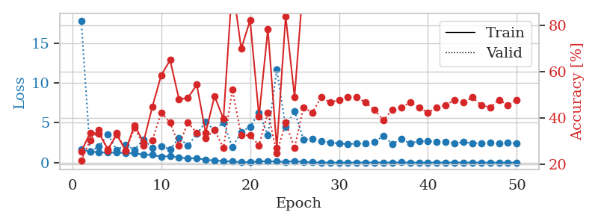
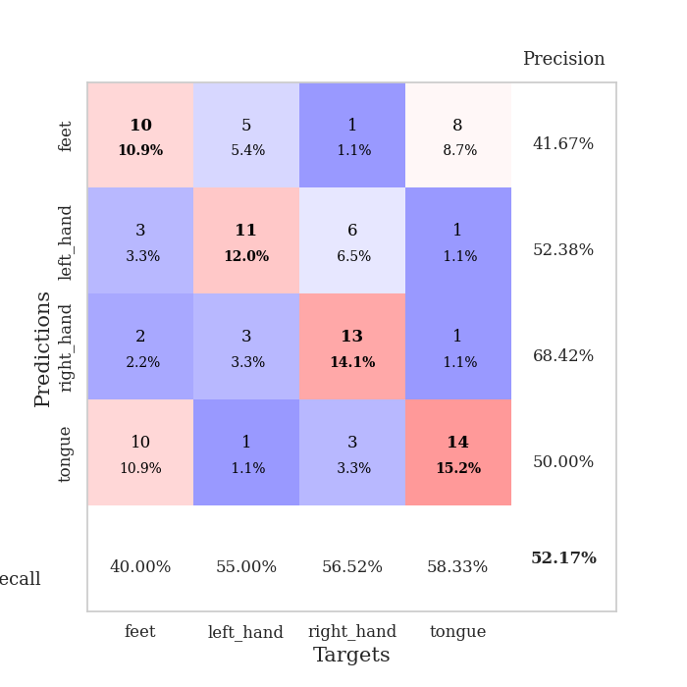
train_loss | valid_loss | train_accuracy | valid_accuracy | dur | train_misclass | valid_misclass
1.647424164 | 17.838400136 | 0.25543478261 | 0.21739130435 | 1.1491966248 | 25.543478261 | 21.739130435
1.406306018 | 1.4199694602 | 0.33695652174 | 0.30434782609 | 1.1433091164 | 33.695652174 | 30.434782609
1.2897545877 | 2.00506994 | 0.33423913043 | 0.34782608696 | 1.144667387 | 33.423913043 | 34.782608696
1.2576978855 | 3.5217057726 | 0.26630434783 | 0.26086956522 | 1.1439507008 | 26.630434783 | 26.086956522
1.2593646386 | 1.5919606426 | 0.32880434783 | 0.33695652174 | 1.1466610432 | 32.880434783 | 33.695652174
1.1961253208 | 2.2645971049 | 0.26086956522 | 0.26086956522 | 1.1460475922 | 26.086956522 | 26.086956522
1.1664132942 | 1.5924805921 | 0.36956521739 | 0.35869565217 | 1.1468403339 | 36.956521739 | 35.869565217
1.0221016044 | 2.928823357 | 0.29619565217 | 0.28260869565 | 1.1479547024 | 29.619565217 | 28.260869565
0.96150999484 | 1.8507465798 | 0.44836956522 | 0.30434782609 | 1.1482708454 | 44.836956522 | 30.434782609
0.72496997144 | 2.0796829721 | 0.58423913043 | 0.42391304348 | 1.1481804848 | 58.423913043 | 42.391304348
0.82916715093 | 1.6715572813 | 0.64945652174 | 0.38043478261 | 1.1476778984 | 64.945652174 | 38.043478261
0.6306515038 | 3.1100713222 | 0.48097826087 | 0.28260869565 | 1.1468472481 | 48.097826087 | 28.260869565
0.55869386118 | 2.1425827171 | 0.48641304348 | 0.38043478261 | 1.1469054222 | 48.641304348 | 38.043478261
0.5181842252 | 3.6103173132 | 0.54347826087 | 0.33695652174 | 1.1468830109 | 54.347826087 | 33.695652174
0.37085667852 | 5.0876473137 | 0.33695652174 | 0.3152173913 | 1.1452414989 | 33.695652174 | 31.52173913
0.24483419987 | 4.0920652929 | 0.49456521739 | 0.34782608696 | 1.1455724239 | 49.456521739 | 34.782608696
0.20215957733 | 5.0187275513 | 0.39673913043 | 0.27173913043 | 1.1459937096 | 39.673913043 | 27.173913043
0.13097241367 | 1.9445060725 | 0.97826086957 | 0.52173913043 | 1.1450374126 | 97.826086957 | 52.173913043
0.058654111628 | 3.8120227482 | 0.69836956522 | 0.32608695652 | 1.1472322941 | 69.836956522 | 32.608695652
0.05369892024 | 4.5207471848 | 0.82065217391 | 0.32608695652 | 1.1460371017 | 82.065217391 | 32.608695652
0.15053119405 | 6.292753033 | 0.40760869565 | 0.28260869565 | 1.1455824375 | 40.760869565 | 28.260869565
0.16969933057 | 3.4107742724 | 0.78260869565 | 0.42391304348 | 1.1464788914 | 78.260869565 | 42.391304348
0.12308139018 | 11.698900347 | 0.27173913043 | 0.25 | 1.1459341049 | 27.173913043 | 25
0.095248986198 | 4.4780290541 | 0.83695652174 | 0.38043478261 | 1.1474409103 | 83.695652174 | 38.043478261
0.19070740757 | 6.4912097765 | 0.49184782609 | 0.27173913043 | 1.1466495991 | 49.184782609 | 27.173913043
0.080884379385 | 2.8976538803 | 0.99184782609 | 0.44565217391 | 1.1462247372 | 99.184782609 | 44.565217391
0.033700068729 | 2.9653678977 | 0.93206521739 | 0.42391304348 | 1.1468179226 | 93.206521739 | 42.391304348
0.021260971279 | 2.6794059069 | 0.98913043478 | 0.48913043478 | 1.1467685699 | 98.913043478 | 48.913043478
0.0076217038795 | 2.5359413157 | 1 | 0.46739130435 | 1.1466243267 | 100 | 46.739130435
0.0063241070197 | 2.4229264778 | 1 | 0.47826086957 | 1.1468400955 | 100 | 47.826086957
0.0046371397051 | 2.308163788 | 1 | 0.48913043478 | 1.14691782 | 100 | 48.913043478
0.0060098321157 | 2.4179161735 | 1 | 0.48913043478 | 1.1476428509 | 100 | 48.913043478
0.0057465707549 | 2.3679803169 | 1 | 0.46739130435 | 1.1471843719 | 100 | 46.739130435
0.0090276072442 | 2.5934658206 | 1 | 0.4347826087 | 1.1466140747 | 100 | 43.47826087
0.0053182590611 | 3.3592845564 | 0.98641304348 | 0.39130434783 | 1.146490097 | 98.641304348 | 39.130434783
0.0098099830565 | 2.354654833 | 1 | 0.4347826087 | 1.1462919712 | 100 | 43.47826087
0.029204239571 | 2.9659149673 | 1 | 0.44565217391 | 1.1476054192 | 100 | 44.565217391
0.0062349961866 | 2.4401497452 | 1 | 0.46739130435 | 1.1479017735 | 100 | 46.739130435
0.002701995745 | 2.6883195431 | 1 | 0.44565217391 | 1.1470050812 | 100 | 44.565217391
0.0049927638592 | 2.6651744376 | 1 | 0.42391304348 | 1.1467342377 | 100 | 42.391304348
0.0029300915788 | 2.6447847822 | 1 | 0.44565217391 | 1.147424221 | 100 | 44.565217391
0.0034168979777 | 2.5561479537 | 1 | 0.45652173913 | 1.1474134922 | 100 | 45.652173913
0.010827216504 | 2.440209 | 1 | 0.47826086957 | 1.147821188 | 100 | 47.826086957
0.0048032507893 | 2.5589455729 | 1 | 0.46739130435 | 1.1475098133 | 100 | 46.739130435
0.0022913022511 | 2.4379908002 | 1 | 0.48913043478 | 1.1472759247 | 100 | 48.913043478
0.0021948788528 | 2.4548987668 | 1 | 0.45652173913 | 1.1469092369 | 100 | 45.652173913
0.0014629414743 | 2.4870940188 | 1 | 0.44565217391 | 1.149065733 | 100 | 44.565217391
0.0024424945618 | 2.4332239576 | 1 | 0.47826086957 | 1.1464278698 | 100 | 47.826086957
0.0017023229796 | 2.4664054902 | 1 | 0.45652173913 | 1.1469361782 | 100 | 45.652173913
0.0014217225696 | 2.4608697373 | 1 | 0.47826086957 | 1.1468508244 | 100 | 47.826086957

Best Val accuracy is 0.5217391304347826 and Best test accuracy is 0.3706896551724138

Sheet9
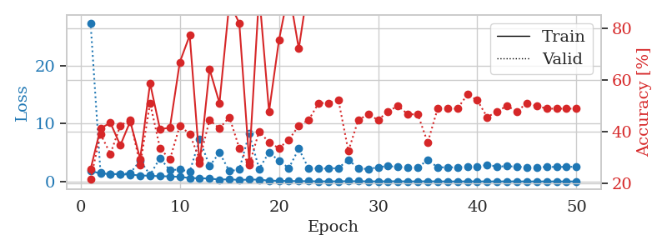
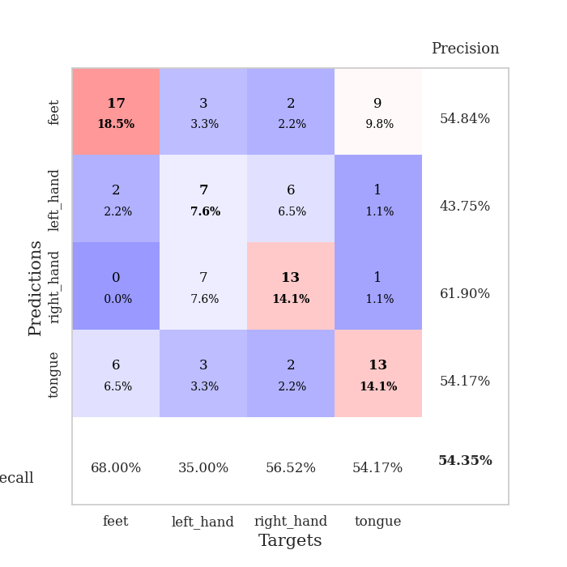
train_loss | valid_loss | train_accuracy | valid_accuracy | dur | train_misclass | valid_misclass
1.824502126 | 27.445789088 | 0.25543478261 | 0.21739130435 | 1.1480510235 | 25.543478261 | 21.739130435
1.3800775797 | 1.5369243363 | 0.41304347826 | 0.39130434783 | 1.1410906315 | 41.304347826 | 39.130434783
1.2908314052 | 1.3118646819 | 0.4347826087 | 0.3152173913 | 1.1424834728 | 43.47826087 | 31.52173913
1.2643809681 | 1.3037645091 | 0.34782608696 | 0.42391304348 | 1.1438970566 | 34.782608696 | 42.391304348
1.1786154923 | 1.4353884251 | 0.4402173913 | 0.44565217391 | 1.1431782246 | 44.02173913 | 44.565217391
1.041106675 | 3.6228202011 | 0.29619565217 | 0.27173913043 | 1.1422865391 | 29.619565217 | 27.173913043
0.9846247331 | 1.1433269589 | 0.58695652174 | 0.51086956522 | 1.1444666386 | 58.695652174 | 51.086956522
0.9050717302 | 4.0505633043 | 0.41032608696 | 0.33695652174 | 1.1438126564 | 41.032608696 | 33.695652174
0.88013162302 | 1.9284048858 | 0.41576086957 | 0.29347826087 | 1.1442501545 | 41.576086957 | 29.347826087
0.7868054561 | 2.0969750441 | 0.66847826087 | 0.42391304348 | 1.1441402435 | 66.847826087 | 42.391304348
0.59991298162 | 1.6866224797 | 0.77173913043 | 0.39130434783 | 1.1449375153 | 77.173913043 | 39.130434783
0.54969269296 | 7.3001656325 | 0.27717391304 | 0.29347826087 | 1.1462471485 | 27.717391304 | 29.347826087
0.51329241434 | 2.6603922896 | 0.64130434783 | 0.44565217391 | 1.14417243 | 64.130434783 | 44.565217391
0.31601400447 | 4.9890556232 | 0.51086956522 | 0.41304347826 | 1.1438231468 | 51.086956522 | 41.304347826
0.37638542186 | 1.7698947969 | 0.89945652174 | 0.45652173913 | 1.1447179317 | 89.945652174 | 45.652173913
0.25623909109 | 2.0907896446 | 0.81793478261 | 0.33695652174 | 1.1447343826 | 81.793478261 | 33.695652174
0.32733666573 | 8.2760342722 | 0.28532608696 | 0.27173913043 | 1.1438319683 | 28.532608696 | 27.173913043
0.31708328717 | 2.1875282992 | 0.93206521739 | 0.40217391304 | 1.1450209618 | 93.206521739 | 40.217391304
0.13880464435 | 5.0374670443 | 0.47826086957 | 0.35869565217 | 1.1447169781 | 47.826086957 | 35.869565217
0.11796901302 | 3.5925491063 | 0.7527173913 | 0.33695652174 | 1.1447050571 | 75.27173913 | 33.695652174
0.075024768913 | 2.3057324757 | 0.94565217391 | 0.36956521739 | 1.145834446 | 94.565217391 | 36.956521739
0.061954538459 | 5.6752681732 | 0.72010869565 | 0.42391304348 | 1.1451177597 | 72.010869565 | 42.391304348
0.040549008505 | 2.2096974979 | 0.97554347826 | 0.44565217391 | 1.1455743313 | 97.554347826 | 44.565217391
0.026966617422 | 2.2841788945 | 1 | 0.51086956522 | 1.1451070309 | 100 | 51.086956522
0.015482958601 | 2.2207412785 | 1 | 0.51086956522 | 1.1455025673 | 100 | 51.086956522
0.032015001472 | 2.3316723342 | 1 | 0.52173913043 | 1.145365715 | 100 | 52.173913043
0.040902962683 | 3.7419895089 | 0.90489130435 | 0.32608695652 | 1.1459801197 | 90.489130435 | 32.608695652
0.036602358708 | 2.2814443811 | 1 | 0.44565217391 | 1.1457946301 | 100 | 44.565217391
0.021401258631 | 2.1417402107 | 0.9972826087 | 0.46739130435 | 1.1455118656 | 99.72826087 | 46.739130435
0.013081129797 | 2.4621730006 | 1 | 0.44565217391 | 1.144692421 | 100 | 44.565217391
0.029186366703 | 2.6801247752 | 0.98641304348 | 0.47826086957 | 1.1460027695 | 98.641304348 | 47.826086957
0.029582661351 | 2.500225461 | 1 | 0.5 | 1.146286726 | 100 | 50
0.0076441156789 | 2.4323760971 | 1 | 0.46739130435 | 1.1455254555 | 100 | 46.739130435
0.012738773197 | 2.4479498682 | 1 | 0.46739130435 | 1.1458916664 | 100 | 46.739130435
0.027888418904 | 3.6890468183 | 0.9972826087 | 0.35869565217 | 1.146027565 | 99.72826087 | 35.869565217
0.0093442789664 | 2.4763831354 | 1 | 0.48913043478 | 1.1462781429 | 100 | 48.913043478
0.0057245063413 | 2.4254776097 | 1 | 0.48913043478 | 1.1467704773 | 100 | 48.913043478
0.0027689127006 | 2.4738394566 | 1 | 0.48913043478 | 1.1462683678 | 100 | 48.913043478
0.010012583787 | 2.507319694 | 1 | 0.54347826087 | 1.1457123756 | 100 | 54.347826087
0.0057400229929 | 2.5500361945 | 1 | 0.52173913043 | 1.1440076828 | 100 | 52.173913043
0.0081856556986 | 2.8753276493 | 1 | 0.45652173913 | 1.1461458206 | 100 | 45.652173913
0.0045237893431 | 2.587038587 | 1 | 0.47826086957 | 1.1460018158 | 100 | 47.826086957
0.012939147698 | 2.6373592771 | 1 | 0.5 | 1.1447761059 | 100 | 50
0.0096186991457 | 2.5658274682 | 1 | 0.47826086957 | 1.1451356411 | 100 | 47.826086957
0.0024058048727 | 2.4687242236 | 1 | 0.51086956522 | 1.1459748745 | 100 | 51.086956522
0.0038114098595 | 2.4618283705 | 1 | 0.5 | 1.1448369026 | 100 | 50
0.0047288882482 | 2.5141607938 | 1 | 0.48913043478 | 1.1451025009 | 100 | 48.913043478
0.0017065153604 | 2.5161308892 | 1 | 0.48913043478 | 1.1456673145 | 100 | 48.913043478
0.0029531861551 | 2.5247167258 | 1 | 0.48913043478 | 1.1466529369 | 100 | 48.913043478
0.0040332912885 | 2.550459657 | 1 | 0.48913043478 | 1.145819664 | 100 | 48.913043478

Best Val accuracy is 0.5434782608695652 and Best test accuracy is 0.5775862068965517

Sheet10
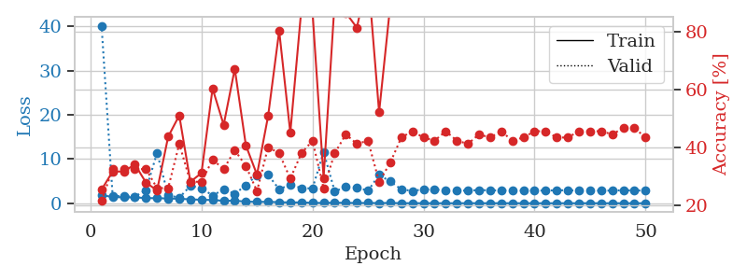
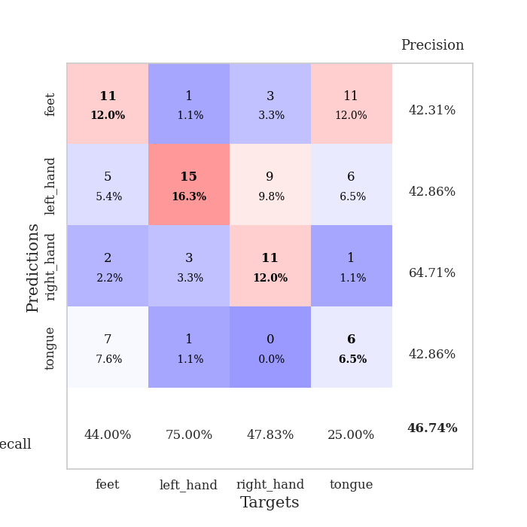
train_loss | valid_loss | train_accuracy | valid_accuracy | dur | train_misclass | valid_misclass
1.8424287672 | 40.204782901 | 0.25543478261 | 0.21739130435 | 1.149282217 | 25.543478261 | 21.739130435
1.4103472647 | 1.6748751402 | 0.31793478261 | 0.32608695652 | 1.1448016167 | 31.793478261 | 32.608695652
1.3299300515 | 1.6108168364 | 0.31793478261 | 0.32608695652 | 1.1446521282 | 31.793478261 | 32.608695652
1.3267963684 | 1.4938006971 | 0.34239130435 | 0.32608695652 | 1.1460733414 | 34.239130435 | 32.608695652
1.1693211638 | 2.9965468179 | 0.27989130435 | 0.32608695652 | 1.146127224 | 27.989130435 | 32.608695652
1.1378339555 | 11.415254054 | 0.2527173913 | 0.26086956522 | 1.1457457542 | 25.27173913 | 26.086956522
1.0911387775 | 1.8003253989 | 0.4375 | 0.26086956522 | 1.1460361481 | 43.75 | 26.086956522
0.99484623774 | 1.2544228564 | 0.51086956522 | 0.41304347826 | 1.1463673115 | 51.086956522 | 41.304347826
0.89157057586 | 3.9234631787 | 0.28260869565 | 0.28260869565 | 1.1484341621 | 28.260869565 | 28.260869565
0.77125153075 | 3.427832023 | 0.3125 | 0.28260869565 | 1.1482131481 | 31.25 | 28.260869565
0.73767640021 | 1.7308524277 | 0.60326086957 | 0.35869565217 | 1.1452641487 | 60.326086957 | 35.869565217
0.54442649561 | 3.1457625887 | 0.47826086957 | 0.32608695652 | 1.1452169418 | 47.826086957 | 32.608695652
0.572767132 | 2.1406554657 | 0.67119565217 | 0.39130434783 | 1.1452581882 | 67.119565217 | 39.130434783
0.36395111874 | 4.0584049432 | 0.40760869565 | 0.33695652174 | 1.1456112862 | 40.760869565 | 33.695652174
0.3065104355 | 6.3844260133 | 0.30706521739 | 0.25 | 1.1463577747 | 30.706521739 | 25
0.31242083888 | 6.4201416555 | 0.50815217391 | 0.40217391304 | 1.1463239193 | 50.815217391 | 40.217391304
0.23628169217 | 3.1605598616 | 0.80163043478 | 0.38043478261 | 1.1465818882 | 80.163043478 | 38.043478261
0.17255388694 | 4.2227248627 | 0.45108695652 | 0.29347826087 | 1.1465291977 | 45.108695652 | 29.347826087
0.19294983683 | 3.4212067127 | 0.8777173913 | 0.38043478261 | 1.146835804 | 87.77173913 | 38.043478261
0.083061332774 | 3.3457037884 | 0.86684782609 | 0.42391304348 | 1.1458818913 | 86.684782609 | 42.391304348
0.066887712552 | 11.604258828 | 0.29619565217 | 0.26086956522 | 1.1475055218 | 29.619565217 | 26.086956522
0.131140149 | 2.6815200992 | 0.90489130435 | 0.38043478261 | 1.1461241245 | 90.489130435 | 38.043478261
0.077194857654 | 3.6804386636 | 0.86413043478 | 0.44565217391 | 1.1464993954 | 86.413043478 | 44.565217391
0.061229019416 | 3.5779956009 | 0.8125 | 0.41304347826 | 1.147175312 | 81.25 | 41.304347826
0.055520730306 | 2.8143934789 | 0.99184782609 | 0.42391304348 | 1.146020174 | 99.184782609 | 42.391304348
0.043943789165 | 6.4208354328 | 0.52173913043 | 0.28260869565 | 1.1464238167 | 52.173913043 | 28.260869565
0.065962233211 | 4.9310943562 | 0.88858695652 | 0.34782608696 | 1.1473402977 | 88.858695652 | 34.782608696
0.013419747985 | 3.1364297867 | 0.99456521739 | 0.4347826087 | 1.1458706856 | 99.456521739 | 43.47826087
0.014058970097 | 2.7926667592 | 1 | 0.45652173913 | 1.1463115215 | 100 | 45.652173913
0.0082145762964 | 3.1431656091 | 1 | 0.4347826087 | 1.1465594769 | 100 | 43.47826087
0.0098118966144 | 3.1248066944 | 1 | 0.42391304348 | 1.1463403702 | 100 | 42.391304348
0.0036789595628 | 2.9126833885 | 1 | 0.45652173913 | 1.1459867954 | 100 | 45.652173913
0.0034881372564 | 2.8203836731 | 1 | 0.42391304348 | 1.1469755173 | 100 | 42.391304348
0.0099278855398 | 2.8774258157 | 1 | 0.41304347826 | 1.1475651264 | 100 | 41.304347826
0.010827595523 | 2.9688674471 | 1 | 0.44565217391 | 1.1464850903 | 100 | 44.565217391
0.0059288325397 | 2.9387459807 | 1 | 0.4347826087 | 1.1463029385 | 100 | 43.47826087
0.01515579572 | 2.8758352269 | 1 | 0.45652173913 | 1.1465666294 | 100 | 45.652173913
0.0027787973421 | 2.9528334918 | 1 | 0.42391304348 | 1.1455805302 | 100 | 42.391304348
0.0044179482483 | 2.8671996904 | 1 | 0.4347826087 | 1.1459817886 | 100 | 43.47826087
0.004652056192 | 2.8761818979 | 1 | 0.45652173913 | 1.1460912228 | 100 | 45.652173913
0.0031954549097 | 2.8609013402 | 1 | 0.45652173913 | 1.1459207535 | 100 | 45.652173913
0.0029774448011 | 2.9239176408 | 1 | 0.4347826087 | 1.1460359097 | 100 | 43.47826087
0.0038913564036 | 2.9406510384 | 1 | 0.4347826087 | 1.1468060017 | 100 | 43.47826087
0.0017683991565 | 2.8349719048 | 1 | 0.45652173913 | 1.1468424797 | 100 | 45.652173913
0.011268974307 | 2.9368161741 | 1 | 0.45652173913 | 1.1473252773 | 100 | 45.652173913
0.0013294749382 | 2.8209028866 | 1 | 0.45652173913 | 1.1476392746 | 100 | 45.652173913
0.0025072364233 | 2.8772745132 | 1 | 0.44565217391 | 1.1475167274 | 100 | 44.565217391
0.0015719055151 | 2.9228578495 | 1 | 0.46739130435 | 1.1476633549 | 100 | 46.739130435
0.002116019146 | 2.8790315182 | 1 | 0.46739130435 | 1.1465101242 | 100 | 46.739130435
0.0012178425544 | 2.8776086258 | 1 | 0.4347826087 | 1.1469151974 | 100 | 43.47826087

Best Val accuracy is 0.4673913043478261 and Best test accuracy is 0.3620689655172414

