Sheet
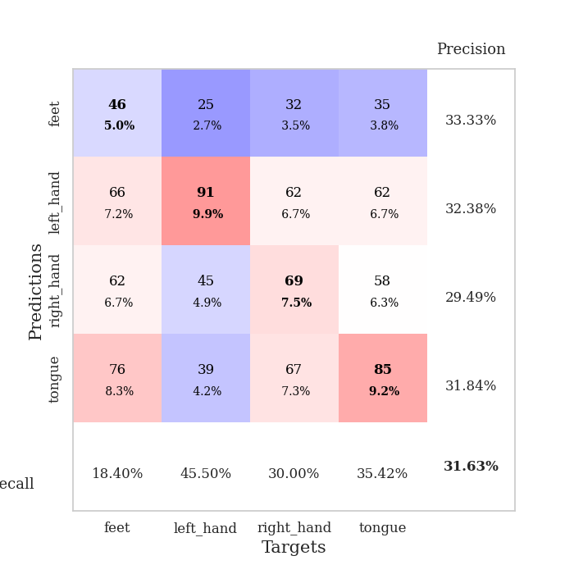
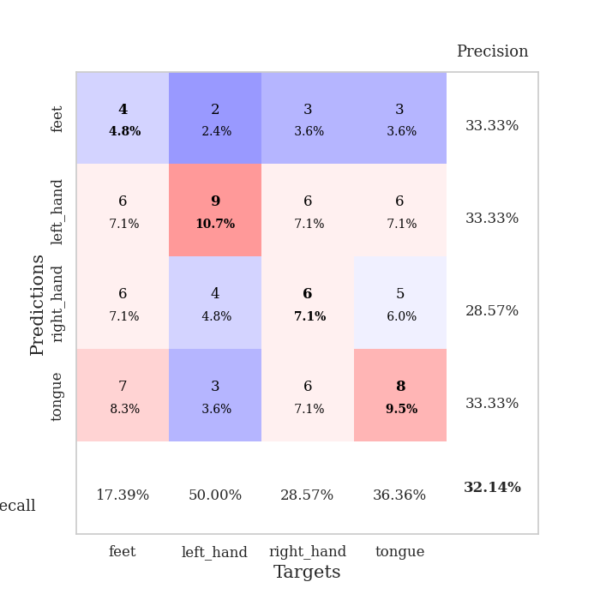
best_val_acc | best_val_los | best_test_acc
0.29347826087 | 1.4070667028 | 0.25
0.30434782609 | 1.4187164255 | 0.23275862069
0.30434782609 | 1.3920465138 | 0.24137931034
0.34782608696 | 1.5280540093 | 0.25862068966
0.30434782609 | 1.3862373051 | 0.23275862069
0.32608695652 | 1.44132596 | 0.25862068966
0.32608695652 | 1.4687167302 | 0.22413793103
0.3152173913 | 1.4848705997 | 0.24137931034
0.30434782609 | 1.3844610867 | 0.27586206897
0.33695652174 | 1.4293491374 | 0.23275862069

Mean,std Val accuracy is 0.31630434782608696 , 0.01733838567247158 and mean, std test accuracy is 0.24482758620689657 , 0.015843734197804858

Sheet1
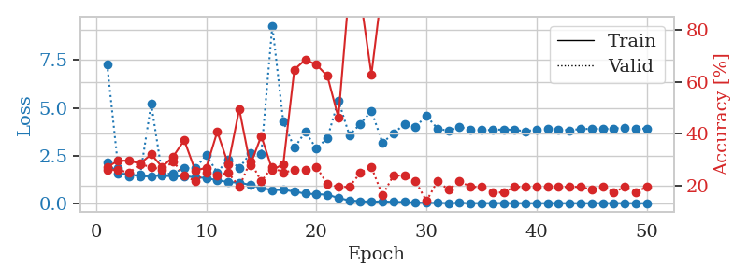
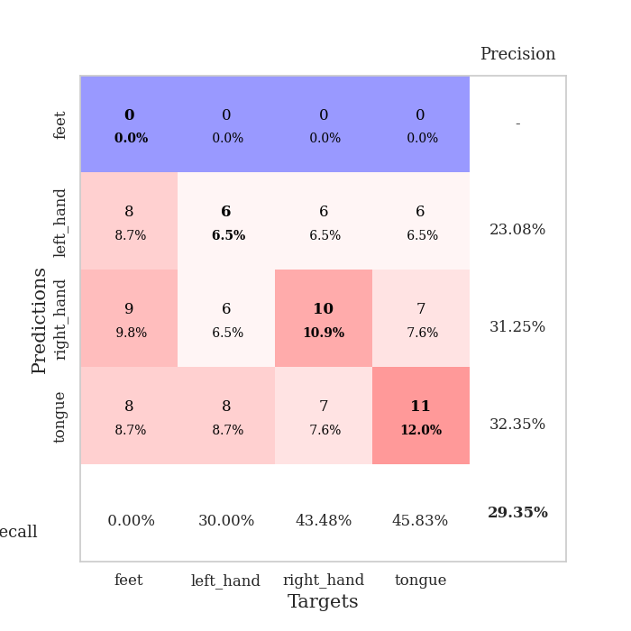
train_loss | valid_loss | train_accuracy | valid_accuracy | dur | train_misclass | valid_misclass
2.1334016168 | 7.2780095391 | 0.27173913043 | 0.26086956522 | 1.146198988 | 27.173913043 | 26.086956522
1.5417662444 | 1.8610060733 | 0.29619565217 | 0.26086956522 | 1.1446800232 | 29.619565217 | 26.086956522
1.5390675534 | 1.4070667028 | 0.29619565217 | 0.25 | 1.1453166008 | 29.619565217 | 25
1.4035875538 | 1.4925146725 | 0.28532608696 | 0.28260869565 | 1.1456077099 | 28.532608696 | 28.260869565
1.4203066515 | 5.2137932259 | 0.32065217391 | 0.27173913043 | 1.1444582939 | 32.065217391 | 27.173913043
1.4561019618 | 1.5077373049 | 0.27173913043 | 0.26086956522 | 1.1459519863 | 27.173913043 | 26.086956522
1.4028727749 | 1.5686919326 | 0.3125 | 0.29347826087 | 1.1455588341 | 31.25 | 29.347826087
1.4210674037 | 1.847681144 | 0.375 | 0.23913043478 | 1.1443858147 | 37.5 | 23.913043478
1.3649826983 | 1.8316663659 | 0.25815217391 | 0.21739130435 | 1.1453399658 | 25.815217391 | 21.739130435
1.3230398686 | 2.5281371137 | 0.26902173913 | 0.25 | 1.1466650963 | 26.902173913 | 25
1.2019959274 | 1.6160981085 | 0.40760869565 | 0.23913043478 | 1.1458303928 | 40.760869565 | 23.913043478
1.1115023131 | 2.3112475146 | 0.28260869565 | 0.25 | 1.1464173794 | 28.260869565 | 25
1.0790206764 | 1.8547150726 | 0.49456521739 | 0.19565217391 | 1.1462259293 | 49.456521739 | 19.565217391
0.96587270628 | 2.6110660408 | 0.27989130435 | 0.29347826087 | 1.1461427212 | 27.989130435 | 29.347826087
0.80501360738 | 2.6038324315 | 0.39130434783 | 0.21739130435 | 1.1460163593 | 39.130434783 | 21.739130435
0.69191164297 | 9.3020261267 | 0.26086956522 | 0.27173913043 | 1.1472015381 | 26.086956522 | 27.173913043
0.70350098869 | 4.2717247009 | 0.28260869565 | 0.25 | 1.147454977 | 28.260869565 | 25
0.61815702267 | 2.8991846105 | 0.64673913043 | 0.26086956522 | 1.1479990482 | 64.673913043 | 26.086956522
0.50444841126 | 3.7443384088 | 0.6847826087 | 0.26086956522 | 1.1468102932 | 68.47826087 | 26.086956522
0.47820462805 | 2.8680568467 | 0.66576086957 | 0.27173913043 | 1.1462607384 | 66.576086957 | 27.173913043
0.4493658737 | 3.414050123 | 0.6222826087 | 0.20652173913 | 1.1471171379 | 62.22826087 | 20.652173913
0.27911388906 | 5.388712344 | 0.46195652174 | 0.19565217391 | 1.1476783752 | 46.195652174 | 19.565217391
0.14243289666 | 3.5593504076 | 0.96467391304 | 0.19565217391 | 1.1468677521 | 96.467391304 | 19.565217391
0.1098517254 | 4.1670721096 | 0.92663043478 | 0.25 | 1.1469686031 | 92.663043478 | 25
0.074954120564 | 4.8331432343 | 0.6277173913 | 0.27173913043 | 1.1472523212 | 62.77173913 | 27.173913043
0.10325432431 | 3.1768708747 | 0.97282608696 | 0.16304347826 | 1.1476311684 | 97.282608696 | 16.304347826
0.063641133698 | 3.6430580098 | 0.99184782609 | 0.23913043478 | 1.1484439373 | 99.184782609 | 23.913043478
0.067164231497 | 4.1608032558 | 0.95108695652 | 0.23913043478 | 1.1469278336 | 95.108695652 | 23.913043478
0.032658672142 | 4.0156388697 | 0.98913043478 | 0.21739130435 | 1.1468203068 | 98.913043478 | 21.739130435
0.023941669608 | 4.5667957638 | 0.9972826087 | 0.14130434783 | 1.1480517387 | 99.72826087 | 14.130434783
0.015367844587 | 3.9138912118 | 1 | 0.21739130435 | 1.1481902599 | 100 | 21.739130435
0.010675311873 | 3.7928830748 | 1 | 0.1847826087 | 1.1471514702 | 100 | 18.47826087
0.018240962097 | 3.9896570911 | 1 | 0.21739130435 | 1.1472465992 | 100 | 21.739130435
0.0064798752251 | 3.8617480527 | 1 | 0.19565217391 | 1.148526907 | 100 | 19.565217391
0.0067817698152 | 3.8374094548 | 1 | 0.19565217391 | 1.1474888325 | 100 | 19.565217391
0.0051000248995 | 3.8387760909 | 1 | 0.17391304348 | 1.1471335888 | 100 | 17.391304348
0.010967170764 | 3.870055717 | 1 | 0.17391304348 | 1.1479759216 | 100 | 17.391304348
0.0049336969615 | 3.8474508783 | 1 | 0.19565217391 | 1.1483743191 | 100 | 19.565217391
0.0043113949258 | 3.7686445609 | 1 | 0.19565217391 | 1.1476933956 | 100 | 19.565217391
0.0030180405618 | 3.8674052073 | 1 | 0.19565217391 | 1.148319006 | 100 | 19.565217391
0.0037725520998 | 3.8871293068 | 1 | 0.19565217391 | 1.1477217674 | 100 | 19.565217391
0.0033504609828 | 3.8605829114 | 1 | 0.19565217391 | 1.1485433578 | 100 | 19.565217391
0.0032247672131 | 3.8263132054 | 1 | 0.19565217391 | 1.1479206085 | 100 | 19.565217391
0.0026858886122 | 3.8909596153 | 1 | 0.19565217391 | 1.1477594376 | 100 | 19.565217391
0.0027030102235 | 3.8980414349 | 1 | 0.1847826087 | 1.1481180191 | 100 | 18.47826087
0.0042768840061 | 3.892905878 | 1 | 0.19565217391 | 1.1479249001 | 100 | 19.565217391
0.005026506832 | 3.9139899586 | 1 | 0.17391304348 | 1.148930788 | 100 | 17.391304348
0.0049060319839 | 3.9605723049 | 1 | 0.19565217391 | 1.1483898163 | 100 | 19.565217391
0.0026940786781 | 3.907905475 | 1 | 0.17391304348 | 1.1488068104 | 100 | 17.391304348
0.0023547020847 | 3.9140043259 | 1 | 0.19565217391 | 1.1485934258 | 100 | 19.565217391

Best Val accuracy is 0.29347826086956524 and Best test accuracy is 0.25

Sheet2
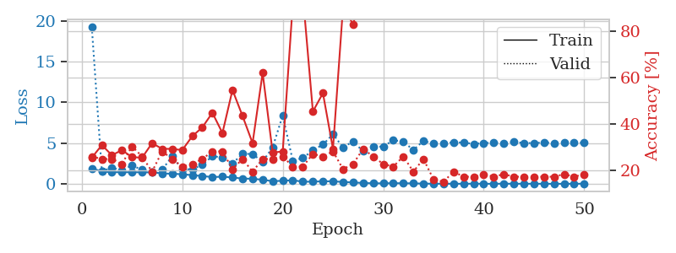
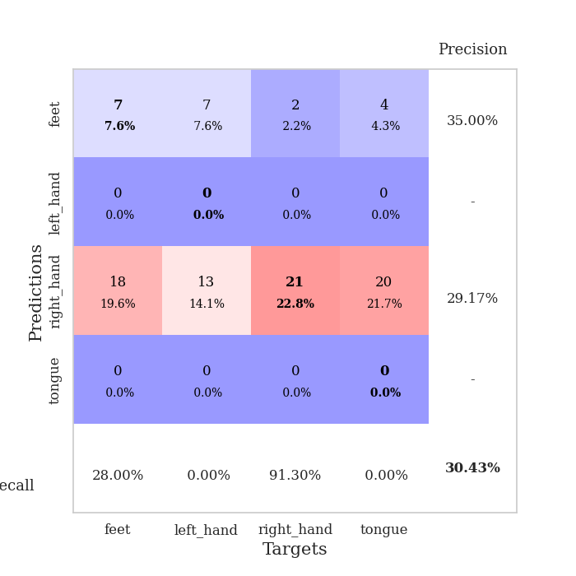
train_loss | valid_loss | train_accuracy | valid_accuracy | dur | train_misclass | valid_misclass
1.9132634557 | 19.243325109 | 0.25543478261 | 0.26086956522 | 1.1496334076 | 25.543478261 | 26.086956522
1.5067877096 | 1.5509662006 | 0.3097826087 | 0.25 | 1.1449594498 | 30.97826087 | 25
1.4364580797 | 1.9870044615 | 0.26630434783 | 0.25 | 1.1454856396 | 26.630434783 | 25
1.4246183219 | 1.6575218854 | 0.28804347826 | 0.22826086957 | 1.1454513073 | 28.804347826 | 22.826086957
1.4330731838 | 2.2633055138 | 0.25815217391 | 0.30434782609 | 1.1457250118 | 25.815217391 | 30.434782609
1.4145173456 | 1.7200755036 | 0.25543478261 | 0.26086956522 | 1.1478285789 | 25.543478261 | 26.086956522
1.414542504 | 1.4187164255 | 0.31793478261 | 0.19565217391 | 1.1459851265 | 31.793478261 | 19.565217391
1.2898985718 | 1.7424537825 | 0.29347826087 | 0.28260869565 | 1.1469430923 | 29.347826087 | 28.260869565
1.2348331835 | 3.3705823421 | 0.29347826087 | 0.25 | 1.146201849 | 29.347826087 | 25
1.1891376221 | 1.7752273135 | 0.28804347826 | 0.21739130435 | 1.1468336582 | 28.804347826 | 21.739130435
1.065749723 | 1.7959069273 | 0.34782608696 | 0.22826086957 | 1.1467666626 | 34.782608696 | 22.826086957
0.9659618839 | 2.3353731218 | 0.38586956522 | 0.25 | 1.1470098495 | 38.586956522 | 25
0.82759538941 | 3.3991399641 | 0.44836956522 | 0.28260869565 | 1.1471130848 | 44.836956522 | 28.260869565
0.88769179971 | 3.2331556445 | 0.36141304348 | 0.28260869565 | 1.1470460892 | 36.141304348 | 28.260869565
0.78069138786 | 2.4834528073 | 0.54619565217 | 0.20652173913 | 1.1471090317 | 54.619565217 | 20.652173913
0.65371637629 | 3.7131133701 | 0.4347826087 | 0.25 | 1.1478216648 | 43.47826087 | 25
0.62534262046 | 3.6474934557 | 0.31793478261 | 0.19565217391 | 1.1489436626 | 31.793478261 | 19.565217391
0.50537522591 | 2.7249767884 | 0.61956521739 | 0.25 | 1.1470263004 | 61.956521739 | 25
0.32821984621 | 4.4967351167 | 0.27717391304 | 0.25 | 1.1485357285 | 27.717391304 | 25
0.38117614518 | 8.3952504863 | 0.28260869565 | 0.26086956522 | 1.1483304501 | 28.260869565 | 26.086956522
0.44915675728 | 2.8339787359 | 0.91576086957 | 0.21739130435 | 1.1505346298 | 91.576086957 | 21.739130435
0.26384702131 | 3.1870783516 | 0.95380434783 | 0.21739130435 | 1.1485197544 | 95.380434783 | 21.739130435
0.27346824433 | 4.1178917885 | 0.45380434783 | 0.27173913043 | 1.1491622925 | 45.380434783 | 27.173913043
0.31256666925 | 4.8212065904 | 0.53260869565 | 0.26086956522 | 1.1487941742 | 53.260869565 | 26.086956522
0.31516658158 | 6.0928538157 | 0.29347826087 | 0.28260869565 | 1.1492664814 | 29.347826087 | 28.260869565
0.23317777625 | 4.4699441039 | 0.90217391304 | 0.20652173913 | 1.1484658718 | 90.217391304 | 20.652173913
0.17404492459 | 5.2053578211 | 0.82880434783 | 0.22826086957 | 1.1493220329 | 82.880434783 | 22.826086957
0.11163641723 | 3.9965115008 | 0.97554347826 | 0.29347826087 | 1.1491479874 | 97.554347826 | 29.347826087
0.0687272707 | 4.5342037781 | 0.98369565217 | 0.26086956522 | 1.1490130424 | 98.369565217 | 26.086956522
0.067365530311 | 4.5879035411 | 0.9972826087 | 0.22826086957 | 1.1489686966 | 99.72826087 | 22.826086957
0.08296299495 | 5.3555249339 | 0.8777173913 | 0.21739130435 | 1.1497590542 | 87.77173913 | 21.739130435
0.073685239778 | 5.1860767655 | 0.97826086957 | 0.26086956522 | 1.1487793922 | 97.826086957 | 26.086956522
0.063216664808 | 4.1460023341 | 0.9972826087 | 0.19565217391 | 1.1491000652 | 99.72826087 | 19.565217391
0.03141172374 | 5.2783576302 | 1 | 0.25 | 1.150257349 | 100 | 25
0.025025665153 | 4.9396346548 | 1 | 0.16304347826 | 1.1495139599 | 100 | 16.304347826
0.014835224224 | 5.0023179262 | 1 | 0.15217391304 | 1.149459362 | 100 | 15.217391304
0.020944567428 | 5.0963917401 | 1 | 0.19565217391 | 1.1494851112 | 100 | 19.565217391
0.011907605343 | 5.0714332539 | 1 | 0.17391304348 | 1.1493484974 | 100 | 17.391304348
0.023785230248 | 4.9046480137 | 1 | 0.17391304348 | 1.1495535374 | 100 | 17.391304348
0.012107353465 | 5.0024055605 | 1 | 0.1847826087 | 1.1497130394 | 100 | 18.47826087
0.012841626151 | 5.0499800599 | 1 | 0.17391304348 | 1.1501586437 | 100 | 17.391304348
0.024489077537 | 4.988138883 | 1 | 0.1847826087 | 1.1495745182 | 100 | 18.47826087
0.017180469009 | 5.13919623 | 1 | 0.17391304348 | 1.1501061916 | 100 | 17.391304348
0.016479522567 | 5.0189200484 | 1 | 0.17391304348 | 1.150375843 | 100 | 17.391304348
0.014162068812 | 5.005434907 | 1 | 0.17391304348 | 1.1502261162 | 100 | 17.391304348
0.012376011714 | 5.0722204499 | 1 | 0.17391304348 | 1.1496546268 | 100 | 17.391304348
0.0067444176656 | 5.0094045763 | 1 | 0.17391304348 | 1.1504895687 | 100 | 17.391304348
0.012531873846 | 5.0766738601 | 1 | 0.1847826087 | 1.1491689682 | 100 | 18.47826087
0.016682708312 | 5.0565647664 | 1 | 0.17391304348 | 1.1504383087 | 100 | 17.391304348
0.018421599419 | 5.0444297169 | 1 | 0.1847826087 | 1.1498141289 | 100 | 18.47826087

Best Val accuracy is 0.30434782608695654 and Best test accuracy is 0.23275862068965517

Sheet3
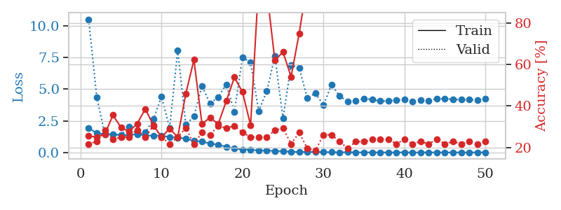
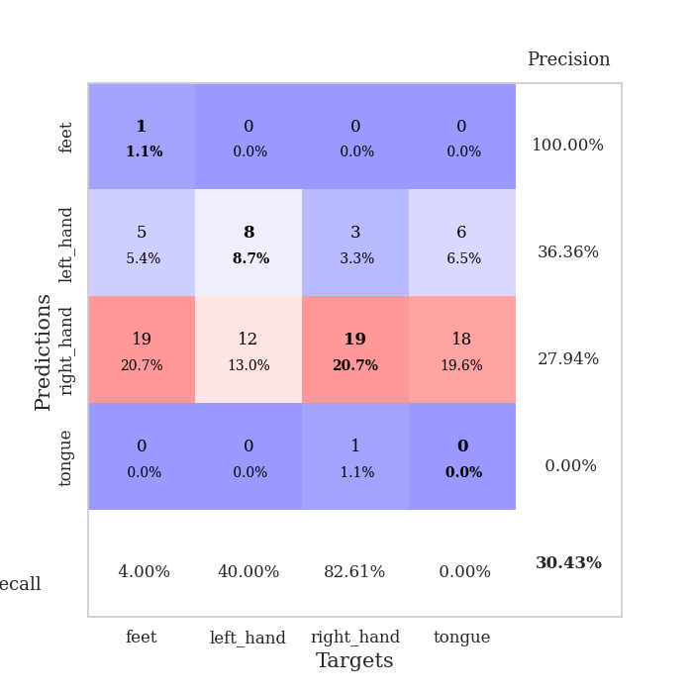
train_loss | valid_loss | train_accuracy | valid_accuracy | dur | train_misclass | valid_misclass
1.9459791494 | 10.528598288 | 0.25543478261 | 0.21739130435 | 1.15397048 | 25.543478261 | 21.739130435
1.5133401415 | 4.3849072871 | 0.25 | 0.22826086957 | 1.1453986168 | 25 | 22.826086957
1.4604525566 | 1.4166374155 | 0.26358695652 | 0.28260869565 | 1.1469476223 | 26.358695652 | 28.260869565
1.4151840469 | 1.4420505244 | 0.35597826087 | 0.23913043478 | 1.1466262341 | 35.597826087 | 23.913043478
1.3916382271 | 1.3920465138 | 0.29619565217 | 0.25 | 1.1458637714 | 29.619565217 | 25
1.3623382527 | 2.0209985039 | 0.27717391304 | 0.25 | 1.1461582184 | 27.717391304 | 25
1.4548314913 | 1.4348283695 | 0.3152173913 | 0.28260869565 | 1.145796299 | 31.52173913 | 28.260869565
1.3288324553 | 1.5721177899 | 0.38586956522 | 0.25 | 1.1485927105 | 38.586956522 | 25
1.334595872 | 2.6237170852 | 0.30706521739 | 0.30434782609 | 1.1478805542 | 30.706521739 | 30.434782609
1.3237288465 | 4.418652265 | 0.25 | 0.25 | 1.1480879784 | 25 | 25
1.2192809789 | 1.9241422622 | 0.29076086957 | 0.21739130435 | 1.1476764679 | 29.076086957 | 21.739130435
1.1741899692 | 8.0664659583 | 0.25 | 0.25 | 1.1478254795 | 25 | 25
1.0890661193 | 2.1791311088 | 0.45923913043 | 0.29347826087 | 1.1467320919 | 45.923913043 | 29.347826087
0.91316529979 | 2.8570887835 | 0.6222826087 | 0.21739130435 | 1.1477122307 | 62.22826087 | 21.739130435
0.85456567484 | 5.2669933464 | 0.3125 | 0.27173913043 | 1.1477928162 | 31.25 | 27.173913043
0.70984999123 | 3.8651496638 | 0.34510869565 | 0.26086956522 | 1.1483108997 | 34.510869565 | 26.086956522
0.61801752707 | 4.3828483872 | 0.3125 | 0.30434782609 | 1.1485722065 | 31.25 | 30.434782609
0.44547112934 | 5.3819698043 | 0.42391304348 | 0.29347826087 | 1.1470382214 | 42.391304348 | 29.347826087
0.32557305434 | 3.2223108333 | 0.53804347826 | 0.30434782609 | 1.1475980282 | 53.804347826 | 30.434782609
0.23539643152 | 7.5192429086 | 0.46739130435 | 0.27173913043 | 1.14777565 | 46.739130435 | 27.173913043
0.22257176787 | 7.124730048 | 0.30706521739 | 0.25 | 1.1478593349 | 30.706521739 | 25
0.13772114634 | 3.2781880109 | 0.99456521739 | 0.25 | 1.1487693787 | 99.456521739 | 25
0.15070870462 | 4.8428786941 | 0.95380434783 | 0.25 | 1.1469979286 | 95.380434783 | 25
0.11138745191 | 7.6109426333 | 0.61956521739 | 0.28260869565 | 1.1483001709 | 61.956521739 | 28.260869565
0.10529206742 | 2.6778863409 | 0.66032608696 | 0.29347826087 | 1.1474304199 | 66.032608696 | 29.347826087
0.054244199282 | 6.9027862756 | 0.54076086957 | 0.21739130435 | 1.1479935646 | 54.076086957 | 21.739130435
0.044548649705 | 6.6863384247 | 0.75 | 0.27173913043 | 1.1469027996 | 75 | 27.173913043
0.045027092342 | 4.3037935133 | 0.99456521739 | 0.19565217391 | 1.1479785442 | 99.456521739 | 19.565217391
0.047307129585 | 4.6817340851 | 1 | 0.1847826087 | 1.1472847462 | 100 | 18.47826087
0.029741706853 | 3.7444904369 | 1 | 0.26086956522 | 1.1483533382 | 100 | 26.086956522
0.019195601582 | 5.3724508078 | 0.9972826087 | 0.26086956522 | 1.1476562023 | 99.72826087 | 26.086956522
0.010656762099 | 4.4512514653 | 0.9972826087 | 0.22826086957 | 1.1488761902 | 99.72826087 | 22.826086957
0.017116218856 | 4.0311845075 | 1 | 0.19565217391 | 1.1480431557 | 100 | 19.565217391
0.0073869271842 | 4.0766191068 | 1 | 0.22826086957 | 1.1473555565 | 100 | 22.826086957
0.006618219367 | 4.265998405 | 1 | 0.22826086957 | 1.148182869 | 100 | 22.826086957
0.0056166485276 | 4.182728954 | 1 | 0.23913043478 | 1.1495401859 | 100 | 23.913043478
0.0039465454604 | 4.057954726 | 1 | 0.23913043478 | 1.1488335133 | 100 | 23.913043478
0.0026742786716 | 4.0600319116 | 1 | 0.23913043478 | 1.1491634846 | 100 | 23.913043478
0.0054406204398 | 4.1369279779 | 1 | 0.21739130435 | 1.147361517 | 100 | 21.739130435
0.0091203822117 | 4.1679933175 | 1 | 0.23913043478 | 1.1503179073 | 100 | 23.913043478
0.0047128487368 | 4.0179854476 | 1 | 0.21739130435 | 1.1479299068 | 100 | 21.739130435
0.0037563439856 | 4.1408049127 | 1 | 0.22826086957 | 1.149661541 | 100 | 22.826086957
0.0052581110504 | 4.1065977345 | 1 | 0.21739130435 | 1.1483004093 | 100 | 21.739130435
0.0040245783065 | 4.2375114897 | 1 | 0.23913043478 | 1.1486685276 | 100 | 23.913043478
0.0029154841942 | 4.2564037364 | 1 | 0.21739130435 | 1.1484172344 | 100 | 21.739130435
0.0030508708986 | 4.196940194 | 1 | 0.22826086957 | 1.1496610641 | 100 | 22.826086957
0.0028930800301 | 4.1676686121 | 1 | 0.21739130435 | 1.1489932537 | 100 | 21.739130435
0.0024530590998 | 4.1710972371 | 1 | 0.22826086957 | 1.1494076252 | 100 | 22.826086957
0.0021521053049 | 4.1309279359 | 1 | 0.21739130435 | 1.1499912739 | 100 | 21.739130435
0.010615696247 | 4.225565392 | 1 | 0.22826086957 | 1.1509888172 | 100 | 22.826086957

Best Val accuracy is 0.30434782608695654 and Best test accuracy is 0.2413793103448276

Sheet4
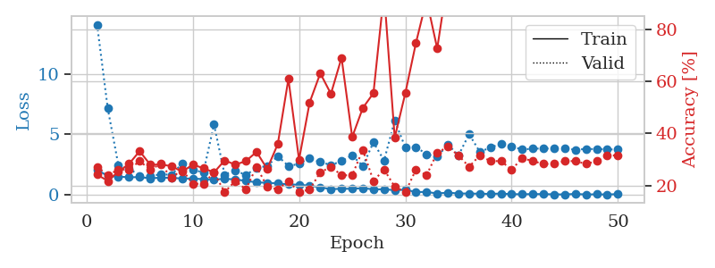
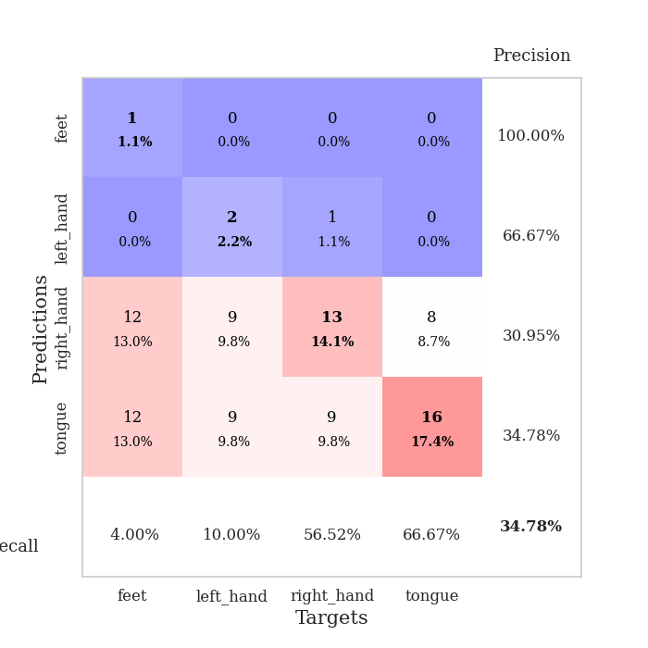
train_loss | valid_loss | train_accuracy | valid_accuracy | dur | train_misclass | valid_misclass
2.0661609743 | 14.06036945 | 0.24184782609 | 0.27173913043 | 1.1535077095 | 24.184782609 | 27.173913043
1.5584565764 | 7.1498799842 | 0.21739130435 | 0.23913043478 | 1.1476063728 | 21.739130435 | 23.913043478
1.5013122662 | 2.467213045 | 0.2527173913 | 0.26086956522 | 1.1485688686 | 25.27173913 | 26.086956522
1.4553157661 | 2.1710960191 | 0.28260869565 | 0.26086956522 | 1.1462469101 | 28.260869565 | 26.086956522
1.4603591691 | 1.5889539045 | 0.33152173913 | 0.29347826087 | 1.1461005211 | 33.152173913 | 29.347826087
1.3694981492 | 1.5280540093 | 0.27989130435 | 0.26086956522 | 1.147646904 | 27.989130435 | 26.086956522
1.4189653759 | 1.7110684281 | 0.27989130435 | 0.28260869565 | 1.1474354267 | 27.989130435 | 28.260869565
1.4072137449 | 1.64550845 | 0.27445652174 | 0.22826086957 | 1.1479666233 | 27.445652174 | 22.826086957
1.3481072084 | 2.597614703 | 0.2527173913 | 0.26086956522 | 1.1472012997 | 25.27173913 | 26.086956522
1.3478484465 | 2.0531262937 | 0.27989130435 | 0.20652173913 | 1.1491956711 | 27.989130435 | 20.652173913
1.2951846175 | 1.8611340315 | 0.26630434783 | 0.20652173913 | 1.1473901272 | 26.630434783 | 20.652173913
1.2656434826 | 5.812426339 | 0.25 | 0.25 | 1.1490192413 | 25 | 25
1.3193702853 | 1.6661883385 | 0.29619565217 | 0.17391304348 | 1.147744894 | 29.619565217 | 17.391304348
1.278497416 | 2.0346280129 | 0.27989130435 | 0.21739130435 | 1.1480550766 | 27.989130435 | 21.739130435
1.1512793847 | 1.6202333699 | 0.29347826087 | 0.1847826087 | 1.1477451324 | 29.347826087 | 18.47826087
1.0338323531 | 2.2466031987 | 0.32880434783 | 0.27173913043 | 1.1474289894 | 32.880434783 | 27.173913043
0.99213406573 | 2.3681687168 | 0.26358695652 | 0.19565217391 | 1.147857666 | 26.358695652 | 19.565217391
0.94693404177 | 3.2081691079 | 0.35869565217 | 0.1847826087 | 1.1475453377 | 35.869565217 | 18.47826087
0.85794005705 | 2.3769054827 | 0.60869565217 | 0.21739130435 | 1.1481757164 | 60.869565217 | 21.739130435
0.83546166575 | 2.5535086031 | 0.29891304348 | 0.17391304348 | 1.1483168602 | 29.891304348 | 17.391304348
0.75507155061 | 3.039478105 | 0.51902173913 | 0.1847826087 | 1.1480774879 | 51.902173913 | 18.47826087
0.61857840548 | 2.7009590242 | 0.63043478261 | 0.25 | 1.1483957767 | 63.043478261 | 25
0.47176555317 | 2.4676499781 | 0.55163043478 | 0.27173913043 | 1.1476254463 | 55.163043478 | 27.173913043
0.50056528332 | 2.7775372319 | 0.6902173913 | 0.23913043478 | 1.149159193 | 69.02173913 | 23.913043478
0.50376621472 | 3.2659981251 | 0.38586956522 | 0.23913043478 | 1.1485257149 | 38.586956522 | 23.913043478
0.54994643642 | 2.3810082519 | 0.4972826087 | 0.33695652174 | 1.148999691 | 49.72826087 | 33.695652174
0.45804252054 | 4.3369837326 | 0.55434782609 | 0.21739130435 | 1.1495318413 | 55.434782609 | 21.739130435
0.45494642724 | 2.8371846883 | 0.9402173913 | 0.26086956522 | 1.1481046677 | 94.02173913 | 26.086956522
0.39226499977 | 6.126487763 | 0.38315217391 | 0.19565217391 | 1.1496293545 | 38.315217391 | 19.565217391
0.42266453641 | 3.9147704995 | 0.55434782609 | 0.17391304348 | 1.1480994225 | 55.434782609 | 17.391304348
0.23334654615 | 3.9495895116 | 0.7472826087 | 0.26086956522 | 1.1494674683 | 74.72826087 | 26.086956522
0.23765868564 | 3.3526382965 | 0.91304347826 | 0.23913043478 | 1.1488277912 | 91.304347826 | 23.913043478
0.1149183962 | 3.146870893 | 0.72554347826 | 0.32608695652 | 1.1497888565 | 72.554347826 | 32.608695652
0.18306593759 | 4.1569064596 | 0.99456521739 | 0.34782608696 | 1.1490929127 | 99.456521739 | 34.782608696
0.11447832636 | 3.2592076115 | 0.97010869565 | 0.3152173913 | 1.1489238739 | 97.010869565 | 31.52173913
0.10626482551 | 5.0062352574 | 0.90489130435 | 0.27173913043 | 1.1487669945 | 90.489130435 | 27.173913043
0.095780919063 | 3.5651713351 | 0.99456521739 | 0.3152173913 | 1.1495800018 | 99.456521739 | 31.52173913
0.077550057889 | 3.8872396739 | 0.99456521739 | 0.29347826087 | 1.1485331059 | 99.456521739 | 29.347826087
0.10694391037 | 4.2421310155 | 0.99456521739 | 0.29347826087 | 1.1497647762 | 99.456521739 | 29.347826087
0.058221444812 | 3.9957728386 | 0.98097826087 | 0.26086956522 | 1.1499521732 | 98.097826087 | 26.086956522
0.05012978338 | 3.7374716842 | 1 | 0.30434782609 | 1.14985466 | 100 | 30.434782609
0.064393541047 | 3.8170343378 | 1 | 0.29347826087 | 1.1490979195 | 100 | 29.347826087
0.061682302829 | 3.8233331701 | 1 | 0.28260869565 | 1.1494224072 | 100 | 28.260869565
0.043844220795 | 3.8231323698 | 1 | 0.28260869565 | 1.1486251354 | 100 | 28.260869565
0.0338643107 | 3.8234606618 | 1 | 0.29347826087 | 1.1503157616 | 100 | 29.347826087
0.079689739272 | 3.7262887333 | 1 | 0.29347826087 | 1.1487779617 | 100 | 29.347826087
0.029178124852 | 3.7881770963 | 1 | 0.28260869565 | 1.1507663727 | 100 | 28.260869565
0.047121381914 | 3.7797745207 | 1 | 0.29347826087 | 1.1495056152 | 100 | 29.347826087
0.026926156862 | 3.7569406136 | 1 | 0.3152173913 | 1.1518704891 | 100 | 31.52173913
0.064906206427 | 3.7378336243 | 1 | 0.3152173913 | 1.1500368118 | 100 | 31.52173913

Best Val accuracy is 0.34782608695652173 and Best test accuracy is 0.25862068965517243

Sheet5
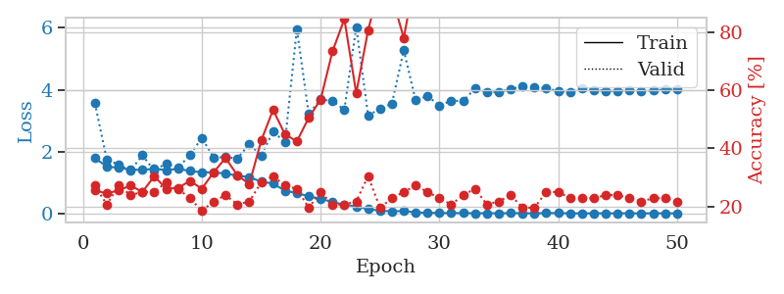
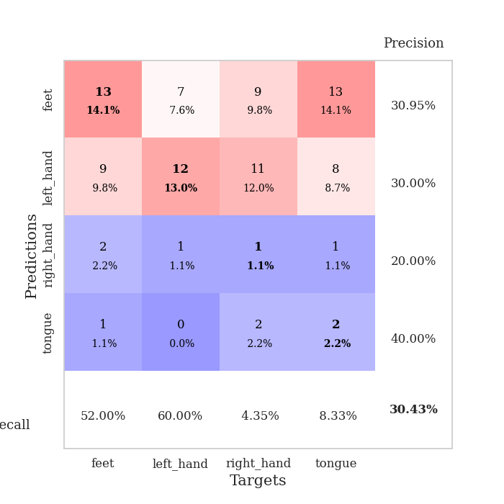
train_loss | valid_loss | train_accuracy | valid_accuracy | dur | train_misclass | valid_misclass
1.7901846067 | 3.5685105116 | 0.25543478261 | 0.27173913043 | 1.150472641 | 25.543478261 | 27.173913043
1.5190400922 | 1.7419497241 | 0.24456521739 | 0.20652173913 | 1.1454834938 | 24.456521739 | 20.652173913
1.4729791931 | 1.5757838747 | 0.25543478261 | 0.27173913043 | 1.1464617252 | 25.543478261 | 27.173913043
1.4210160815 | 1.3903227112 | 0.27173913043 | 0.23913043478 | 1.1466188431 | 27.173913043 | 23.913043478
1.4042583963 | 1.8798268152 | 0.25 | 0.25 | 1.1474673748 | 25 | 25
1.4492455617 | 1.3862373051 | 0.30434782609 | 0.25 | 1.1468820572 | 30.434782609 | 25
1.4000233619 | 1.6215082614 | 0.26086956522 | 0.28260869565 | 1.1481893063 | 26.086956522 | 28.260869565
1.4450251382 | 1.4756679172 | 0.26358695652 | 0.26086956522 | 1.149282217 | 26.358695652 | 26.086956522
1.3718491845 | 1.8875405581 | 0.28804347826 | 0.22826086957 | 1.147922039 | 28.804347826 | 22.826086957
1.3305203137 | 2.4424471596 | 0.26086956522 | 0.1847826087 | 1.1483693123 | 26.086956522 | 18.47826087
1.3262189057 | 1.8073338529 | 0.31793478261 | 0.21739130435 | 1.1479365826 | 31.793478261 | 21.739130435
1.2904944938 | 1.8223669684 | 0.36684782609 | 0.23913043478 | 1.1490504742 | 36.684782609 | 23.913043478
1.2211935106 | 1.7798875778 | 0.30706521739 | 0.20652173913 | 1.1474821568 | 30.706521739 | 20.652173913
1.1743822253 | 2.2421805548 | 0.27717391304 | 0.21739130435 | 1.1481554508 | 27.717391304 | 21.739130435
1.025914555 | 1.871275228 | 0.42663043478 | 0.28260869565 | 1.1480970383 | 42.663043478 | 28.260869565
0.9668302847 | 2.6496819413 | 0.53260869565 | 0.30434782609 | 1.1489720345 | 53.260869565 | 30.434782609
0.73451344345 | 2.3012438339 | 0.44836956522 | 0.27173913043 | 1.1485674381 | 44.836956522 | 27.173913043
0.66212676012 | 5.9644125026 | 0.42391304348 | 0.26086956522 | 1.1485159397 | 42.391304348 | 26.086956522
0.55059633177 | 3.2138814408 | 0.50543478261 | 0.19565217391 | 1.1485512257 | 50.543478261 | 19.565217391
0.47788543157 | 3.6884531353 | 0.56793478261 | 0.25 | 1.1500322819 | 56.793478261 | 25
0.36692437335 | 3.6306424348 | 0.73369565217 | 0.20652173913 | 1.1496405602 | 73.369565217 | 20.652173913
0.28167199927 | 3.3582693805 | 0.84510869565 | 0.20652173913 | 1.1486792564 | 84.510869565 | 20.652173913
0.22640798273 | 6.0280660339 | 0.58967391304 | 0.21739130435 | 1.1497037411 | 58.967391304 | 21.739130435
0.13690578452 | 3.1654611048 | 0.80706521739 | 0.30434782609 | 1.1492030621 | 80.706521739 | 30.434782609
0.0911948987 | 3.383241612 | 0.96467391304 | 0.19565217391 | 1.149900198 | 96.467391304 | 19.565217391
0.066470513282 | 3.5472981204 | 0.92391304348 | 0.22826086957 | 1.1498613358 | 92.391304348 | 22.826086957
0.080614885113 | 5.2803038721 | 0.77989130435 | 0.25 | 1.149667263 | 77.989130435 | 25
0.035576297902 | 3.653335592 | 1 | 0.27173913043 | 1.150001049 | 100 | 27.173913043
0.020489013177 | 3.7967321769 | 1 | 0.25 | 1.150352478 | 100 | 25
0.017440723184 | 3.4898284829 | 1 | 0.22826086957 | 1.1497583389 | 100 | 22.826086957
0.012746539372 | 3.6444479694 | 1 | 0.20652173913 | 1.1497290134 | 100 | 20.652173913
0.013428352469 | 3.6360816956 | 1 | 0.23913043478 | 1.1506893635 | 100 | 23.913043478
0.0077037919394 | 4.0383805607 | 1 | 0.26086956522 | 1.1498012543 | 100 | 26.086956522
0.0094268987229 | 3.9255552499 | 1 | 0.20652173913 | 1.149982214 | 100 | 20.652173913
0.0051328611722 | 3.9134287212 | 1 | 0.21739130435 | 1.1492993832 | 100 | 21.739130435
0.011683872891 | 4.0245648882 | 1 | 0.23913043478 | 1.1504693031 | 100 | 23.913043478
0.0093712565823 | 4.103915795 | 0.9972826087 | 0.19565217391 | 1.1502070427 | 99.72826087 | 19.565217391
0.005836304176 | 4.0781655726 | 1 | 0.19565217391 | 1.1502583027 | 100 | 19.565217391
0.013954942555 | 4.0450075191 | 1 | 0.25 | 1.151822567 | 100 | 25
0.012519848184 | 3.9547869434 | 1 | 0.25 | 1.1507277489 | 100 | 25
0.003925074598 | 3.9276875206 | 1 | 0.22826086957 | 1.1494660378 | 100 | 22.826086957
0.0050638428226 | 4.0357400853 | 1 | 0.22826086957 | 1.149766922 | 100 | 22.826086957
0.0048316353907 | 3.990030807 | 1 | 0.22826086957 | 1.1537055969 | 100 | 22.826086957
0.0054440100541 | 3.9660858693 | 1 | 0.23913043478 | 1.1510050297 | 100 | 23.913043478
0.0038446391396 | 3.9573362807 | 1 | 0.23913043478 | 1.1495215893 | 100 | 23.913043478
0.0064734209648 | 3.9825019629 | 1 | 0.22826086957 | 1.1498901844 | 100 | 22.826086957
0.0020974649132 | 3.9416800997 | 1 | 0.21739130435 | 1.1501202583 | 100 | 21.739130435
0.0066730362368 | 3.9758771191 | 1 | 0.22826086957 | 1.1498892307 | 100 | 22.826086957
0.0034863563981 | 4.0052150021 | 1 | 0.22826086957 | 1.1510107517 | 100 | 22.826086957
0.0042968992822 | 4.0106301722 | 1 | 0.21739130435 | 1.1505768299 | 100 | 21.739130435

Best Val accuracy is 0.30434782608695654 and Best test accuracy is 0.23275862068965517

Sheet6
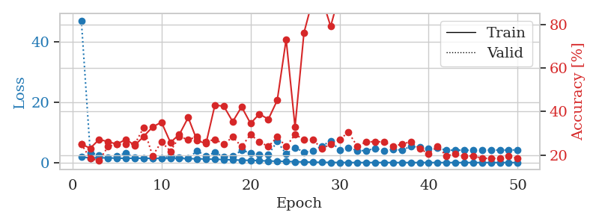
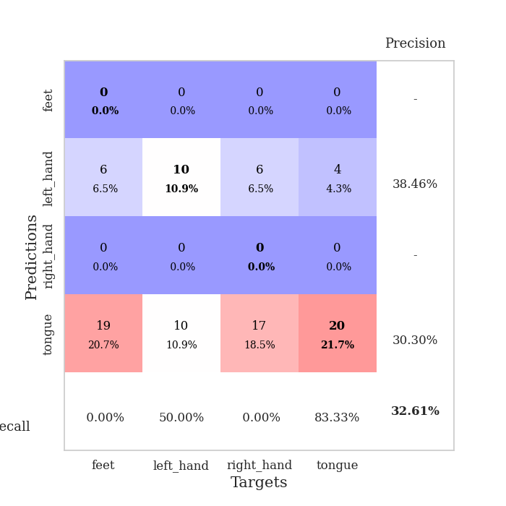
train_loss | valid_loss | train_accuracy | valid_accuracy | dur | train_misclass | valid_misclass
1.8666410602 | 47.120897003 | 0.25 | 0.25 | 1.1482336521 | 25 | 25
1.5217462156 | 3.2533540985 | 0.23097826087 | 0.1847826087 | 1.1479156017 | 23.097826087 | 18.47826087
1.6150319835 | 2.4783101289 | 0.27173913043 | 0.17391304348 | 1.1487147808 | 27.173913043 | 17.391304348
1.5475124017 | 1.6963816467 | 0.26086956522 | 0.23913043478 | 1.1475217342 | 26.086956522 | 23.913043478
1.458602304 | 2.28035153 | 0.25 | 0.25 | 1.1480369568 | 25 | 25
1.4179044599 | 3.0970015526 | 0.27173913043 | 0.25 | 1.1480283737 | 27.173913043 | 25
1.4488277746 | 1.6133678944 | 0.24456521739 | 0.25 | 1.1478049755 | 24.456521739 | 25
1.4483481957 | 1.44132596 | 0.28532608696 | 0.32608695652 | 1.1485497952 | 28.532608696 | 32.608695652
1.3900944098 | 1.4525363497 | 0.32880434783 | 0.19565217391 | 1.1495680809 | 32.880434783 | 19.565217391
1.4010979611 | 1.4491660336 | 0.35054347826 | 0.26086956522 | 1.1484963894 | 35.054347826 | 26.086956522
1.3624975111 | 2.1561608625 | 0.25815217391 | 0.21739130435 | 1.1502349377 | 25.815217391 | 21.739130435
1.3608340854 | 1.5861339103 | 0.29347826087 | 0.28260869565 | 1.174819231 | 29.347826087 | 28.260869565
1.317984384 | 1.5335223727 | 0.3722826087 | 0.27173913043 | 1.1504254341 | 37.22826087 | 27.173913043
1.2578199635 | 3.8507319533 | 0.26630434783 | 0.28260869565 | 1.1509599686 | 26.630434783 | 28.260869565
1.1980421025 | 2.219867727 | 0.2527173913 | 0.26086956522 | 1.1498370171 | 25.27173913 | 26.086956522
1.0938469249 | 3.2971861673 | 0.42934782609 | 0.27173913043 | 1.1489675045 | 42.934782609 | 27.173913043
1.025080375 | 1.9422965775 | 0.42391304348 | 0.25 | 1.1506602764 | 42.391304348 | 25
0.90397267238 | 2.1162710708 | 0.35326086957 | 0.28260869565 | 1.1526041031 | 35.326086957 | 28.260869565
0.78737916117 | 4.0482131295 | 0.42119565217 | 0.23913043478 | 1.1503043175 | 42.119565217 | 23.913043478
0.74031197895 | 3.2252620614 | 0.34510869565 | 0.29347826087 | 1.1535117626 | 34.510869565 | 29.347826087
0.65324149443 | 2.6061896863 | 0.38858695652 | 0.26086956522 | 1.1549413204 | 38.858695652 | 26.086956522
0.5209441483 | 2.6620525484 | 0.36413043478 | 0.23913043478 | 1.1527519226 | 36.413043478 | 23.913043478
0.45921672557 | 7.0211858127 | 0.45108695652 | 0.28260869565 | 1.1535758972 | 45.108695652 | 28.260869565
0.39411722318 | 2.8321199935 | 0.73097826087 | 0.23913043478 | 1.1520271301 | 73.097826087 | 23.913043478
0.29555578659 | 4.9789794632 | 0.32880434783 | 0.29347826087 | 1.1516466141 | 32.880434783 | 29.347826087
0.22964219393 | 3.4848222525 | 0.76086956522 | 0.27173913043 | 1.1529090405 | 76.086956522 | 27.173913043
0.13911943057 | 3.7909452812 | 0.91576086957 | 0.27173913043 | 1.1521270275 | 91.576086957 | 27.173913043
0.083081928608 | 5.5128485638 | 0.92119565217 | 0.22826086957 | 1.153491497 | 92.119565217 | 22.826086957
0.05454049389 | 7.1040514241 | 0.79076086957 | 0.25 | 1.151109457 | 79.076086957 | 25
0.035143080269 | 4.1617690791 | 0.9402173913 | 0.27173913043 | 1.150696516 | 94.02173913 | 27.173913043
0.027569751205 | 4.9196245359 | 1 | 0.30434782609 | 1.1511838436 | 100 | 30.434782609
0.019348903397 | 3.9686385652 | 1 | 0.23913043478 | 1.1498069763 | 100 | 23.913043478
0.019517819174 | 3.9737421948 | 1 | 0.26086956522 | 1.1510865688 | 100 | 26.086956522
0.020216600575 | 4.7208447042 | 1 | 0.26086956522 | 1.1510634422 | 100 | 26.086956522
0.017610912009 | 3.9942238849 | 1 | 0.26086956522 | 1.151406765 | 100 | 26.086956522
0.010106778582 | 4.323920167 | 1 | 0.23913043478 | 1.1511673927 | 100 | 23.913043478
0.0096067700272 | 4.1824728302 | 1 | 0.25 | 1.151736021 | 100 | 25
0.010308173252 | 5.3150405676 | 1 | 0.26086956522 | 1.1515204906 | 100 | 26.086956522
0.019830258396 | 5.1503682966 | 1 | 0.22826086957 | 1.1525421143 | 100 | 22.826086957
0.023580485484 | 4.5792448832 | 1 | 0.20652173913 | 1.1515812874 | 100 | 20.652173913
0.0135148183 | 4.9371308244 | 1 | 0.23913043478 | 1.1520664692 | 100 | 23.913043478
0.009602125066 | 4.0838158234 | 1 | 0.19565217391 | 1.1523270607 | 100 | 19.565217391
0.0057014838929 | 4.1639496969 | 1 | 0.20652173913 | 1.1508922577 | 100 | 20.652173913
0.0081828973514 | 4.1088277775 | 1 | 0.19565217391 | 1.1510269642 | 100 | 19.565217391
0.0082955514334 | 4.0882992744 | 1 | 0.19565217391 | 1.1515309811 | 100 | 19.565217391
0.0059654687319 | 4.2133723135 | 1 | 0.1847826087 | 1.1511251926 | 100 | 18.47826087
0.0050576693156 | 4.1559440157 | 1 | 0.1847826087 | 1.1515665054 | 100 | 18.47826087
0.019628988412 | 4.1659383152 | 1 | 0.1847826087 | 1.1518335342 | 100 | 18.47826087
0.0056184605068 | 4.1667150415 | 1 | 0.19565217391 | 1.1509561539 | 100 | 19.565217391
0.012295944768 | 4.2312260503 | 1 | 0.1847826087 | 1.151309967 | 100 | 18.47826087

Best Val accuracy is 0.32608695652173914 and Best test accuracy is 0.25862068965517243

Sheet7
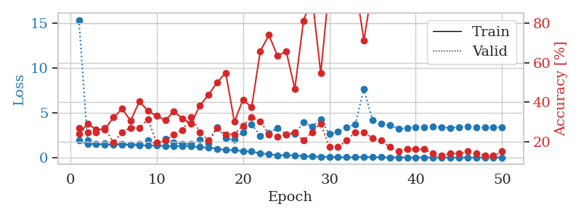
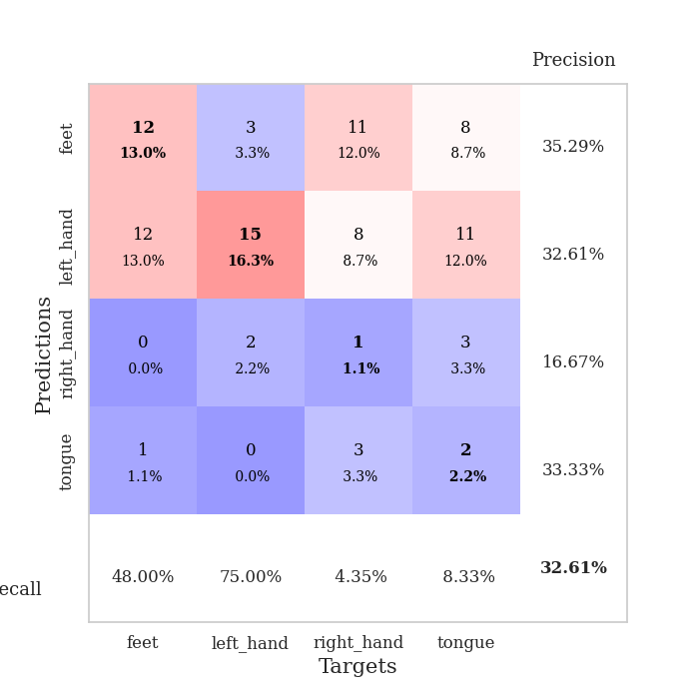
train_loss | valid_loss | train_accuracy | valid_accuracy | dur | train_misclass | valid_misclass
1.9023298492 | 15.384561539 | 0.24184782609 | 0.27173913043 | 1.1520650387 | 24.184782609 | 27.173913043
1.4911590659 | 1.9005106273 | 0.29076086957 | 0.25 | 1.1494808197 | 29.076086957 | 25
1.5405849788 | 1.5319960687 | 0.26358695652 | 0.25 | 1.150108099 | 26.358695652 | 25
1.4280491134 | 1.5877009216 | 0.26358695652 | 0.27173913043 | 1.1500184536 | 26.358695652 | 27.173913043
1.4254995999 | 1.5433422016 | 0.32336956522 | 0.19565217391 | 1.1494731903 | 32.336956522 | 19.565217391
1.4598892668 | 1.4989031709 | 0.36684782609 | 0.25 | 1.1496353149 | 36.684782609 | 25
1.4181165747 | 1.4687167302 | 0.30706521739 | 0.27173913043 | 1.1506788731 | 30.706521739 | 27.173913043
1.3848883639 | 1.5386711618 | 0.40489130435 | 0.27173913043 | 1.1501338482 | 40.489130435 | 27.173913043
1.3429116373 | 1.9400752057 | 0.35597826087 | 0.3152173913 | 1.1496334076 | 35.597826087 | 31.52173913
1.3543815716 | 1.4782087025 | 0.33152173913 | 0.19565217391 | 1.1516110897 | 33.152173913 | 19.565217391
1.3004281417 | 2.0587879108 | 0.3097826087 | 0.20652173913 | 1.1493287086 | 30.97826087 | 20.652173913
1.2628826473 | 1.7183125589 | 0.35326086957 | 0.23913043478 | 1.1482346058 | 35.326086957 | 23.913043478
1.3040158541 | 1.5561047274 | 0.31793478261 | 0.26086956522 | 1.1492321491 | 31.793478261 | 26.086956522
1.2530911435 | 1.488079014 | 0.29347826087 | 0.32608695652 | 1.1506953239 | 29.347826087 | 32.608695652
1.1682298339 | 2.0047304112 | 0.38315217391 | 0.25 | 1.1528458595 | 38.315217391 | 25
1.1255697971 | 1.6363989996 | 0.4375 | 0.20652173913 | 1.1481618881 | 43.75 | 20.652173913
0.98338277962 | 3.3823219486 | 0.5 | 0.27173913043 | 1.1485426426 | 50 | 27.173913043
0.84341867074 | 2.1575946497 | 0.54891304348 | 0.23913043478 | 1.1485366821 | 54.891304348 | 23.913043478
0.84271020215 | 1.9908224396 | 0.30163043478 | 0.23913043478 | 1.1490495205 | 30.163043478 | 23.913043478
0.70207657892 | 2.8578703092 | 0.41304347826 | 0.28260869565 | 1.1489748955 | 41.304347826 | 28.260869565
0.67856194921 | 3.7246211301 | 0.375 | 0.32608695652 | 1.1486949921 | 37.5 | 32.608695652
0.48143365979 | 2.4533510726 | 0.65760869565 | 0.30434782609 | 1.1480271816 | 65.760869565 | 30.434782609
0.36964441058 | 2.7648030986 | 0.73913043478 | 0.23913043478 | 1.1481525898 | 73.913043478 | 23.913043478
0.24138621144 | 3.321105107 | 0.63315217391 | 0.22826086957 | 1.1491746902 | 63.315217391 | 22.826086957
0.28646171514 | 2.5840181786 | 0.65760869565 | 0.23913043478 | 1.1487929821 | 65.760869565 | 23.913043478
0.22897712611 | 2.6530824433 | 0.46739130435 | 0.25 | 1.1490700245 | 46.739130435 | 25
0.1866755113 | 3.9294846576 | 0.8097826087 | 0.20652173913 | 1.1495113373 | 80.97826087 | 20.652173913
0.1291167992 | 3.4842949121 | 0.93206521739 | 0.25 | 1.149191618 | 93.206521739 | 25
0.097668965469 | 4.2734721847 | 0.54619565217 | 0.29347826087 | 1.1492199898 | 54.619565217 | 29.347826087
0.088444031856 | 2.6215587906 | 0.99184782609 | 0.17391304348 | 1.1494705677 | 99.184782609 | 17.391304348
0.04263070987 | 2.8867280691 | 0.99456521739 | 0.17391304348 | 1.1489338875 | 99.456521739 | 17.391304348
0.02982811075 | 3.4012774799 | 1 | 0.20652173913 | 1.1494002342 | 100 | 20.652173913
0.030805126096 | 3.7248547803 | 0.99456521739 | 0.25 | 1.1506724358 | 99.456521739 | 25
0.067398041345 | 7.659523342 | 0.71195652174 | 0.25 | 1.1504230499 | 71.195652174 | 25
0.053053295624 | 4.161473834 | 0.98369565217 | 0.21739130435 | 1.150919199 | 98.369565217 | 21.739130435
0.029396973712 | 3.8032604093 | 0.99456521739 | 0.20652173913 | 1.1490967274 | 99.456521739 | 20.652173913
0.018837038579 | 3.6129092548 | 1 | 0.17391304348 | 1.1495425701 | 100 | 17.391304348
0.023903462459 | 3.2399984235 | 1 | 0.15217391304 | 1.1509315968 | 100 | 15.217391304
0.015176874403 | 3.2663176578 | 1 | 0.16304347826 | 1.1496758461 | 100 | 16.304347826
0.012627355592 | 3.4222149642 | 1 | 0.16304347826 | 1.1500885487 | 100 | 16.304347826
0.024828469624 | 3.4128584032 | 1 | 0.16304347826 | 1.1497571468 | 100 | 16.304347826
0.012948434678 | 3.4377606641 | 1 | 0.14130434783 | 1.1506519318 | 100 | 14.130434783
0.010458588873 | 3.388643866 | 1 | 0.13043478261 | 1.1512308121 | 100 | 13.043478261
0.016623961122 | 3.3332119195 | 1 | 0.14130434783 | 1.1514770985 | 100 | 14.130434783
0.011755450872 | 3.4189448564 | 1 | 0.14130434783 | 1.15092206 | 100 | 14.130434783
0.010019296229 | 3.4307445443 | 1 | 0.15217391304 | 1.1502068043 | 100 | 15.217391304
0.014782659446 | 3.4135902861 | 1 | 0.14130434783 | 1.1513540745 | 100 | 14.130434783
0.012220888004 | 3.3547913925 | 1 | 0.13043478261 | 1.1510608196 | 100 | 13.043478261
0.011721121734 | 3.3524043871 | 1 | 0.13043478261 | 1.1510908604 | 100 | 13.043478261
0.0099015485637 | 3.4137660524 | 1 | 0.15217391304 | 1.1507863998 | 100 | 15.217391304

Best Val accuracy is 0.32608695652173914 and Best test accuracy is 0.22413793103448276

Sheet8
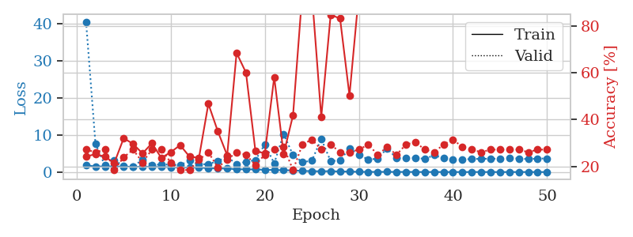
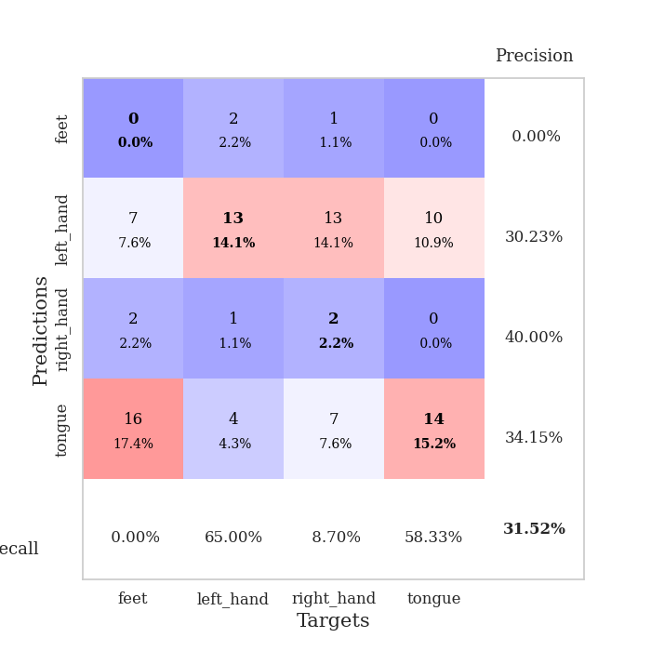
train_loss | valid_loss | train_accuracy | valid_accuracy | dur | train_misclass | valid_misclass
1.8911825729 | 40.465811605 | 0.24184782609 | 0.27173913043 | 1.1538460255 | 24.184782609 | 27.173913043
1.4570355882 | 7.640633495 | 0.2527173913 | 0.26086956522 | 1.1482384205 | 25.27173913 | 26.086956522
1.5441428216 | 1.8182987338 | 0.24184782609 | 0.27173913043 | 1.148453474 | 24.184782609 | 27.173913043
1.4762616624 | 3.2476523648 | 0.21467391304 | 0.1847826087 | 1.1482839584 | 21.467391304 | 18.47826087
1.4619346131 | 1.5709476937 | 0.32065217391 | 0.23913043478 | 1.1483278275 | 32.065217391 | 23.913043478
1.4054654059 | 1.4848705997 | 0.29619565217 | 0.27173913043 | 1.1483988762 | 29.619565217 | 27.173913043
1.4136587433 | 3.3632840281 | 0.25543478261 | 0.21739130435 | 1.1484036446 | 25.543478261 | 21.739130435
1.3833113494 | 1.9199289083 | 0.29891304348 | 0.27173913043 | 1.1486690044 | 29.891304348 | 27.173913043
1.3553120312 | 2.0570241679 | 0.23641304348 | 0.27173913043 | 1.1494348049 | 23.641304348 | 27.173913043
1.3139468846 | 2.0004475583 | 0.26086956522 | 0.21739130435 | 1.1494352818 | 26.086956522 | 21.739130435
1.2390500048 | 1.8869821352 | 0.29076086957 | 0.1847826087 | 1.1496303082 | 29.076086957 | 18.47826087
1.2500393728 | 3.0643804384 | 0.24184782609 | 0.1847826087 | 1.1485760212 | 24.184782609 | 18.47826087
1.2547151731 | 2.0757422706 | 0.23641304348 | 0.22826086957 | 1.1491131783 | 23.641304348 | 22.826086957
1.0005654097 | 2.1349159375 | 0.46739130435 | 0.26086956522 | 1.1492123604 | 46.739130435 | 26.086956522
0.98812902233 | 2.9384789571 | 0.35054347826 | 0.19565217391 | 1.1490454674 | 35.054347826 | 19.565217391
0.94080643291 | 4.1733982045 | 0.2472826087 | 0.22826086957 | 1.1500859261 | 24.72826087 | 22.826086957
0.75034270079 | 2.0605253085 | 0.6847826087 | 0.26086956522 | 1.1495244503 | 68.47826087 | 26.086956522
0.73589732984 | 2.8078710981 | 0.60054347826 | 0.25 | 1.1492366791 | 60.054347826 | 25
0.70279320297 | 3.1825012953 | 0.26630434783 | 0.20652173913 | 1.1491827965 | 26.630434783 | 20.652173913
0.59940181737 | 7.4399768995 | 0.25543478261 | 0.25 | 1.1489746571 | 25.543478261 | 25
0.5559404609 | 2.3444590361 | 0.58152173913 | 0.27173913043 | 1.1510944366 | 58.152173913 | 27.173913043
0.4885453232 | 10.227057208 | 0.2527173913 | 0.28260869565 | 1.1497015953 | 25.27173913 | 28.260869565
0.45290080749 | 4.5510526947 | 0.41847826087 | 0.1847826087 | 1.1496520042 | 41.847826087 | 18.47826087
0.29354340227 | 2.6624191222 | 0.94836956522 | 0.29347826087 | 1.148588419 | 94.836956522 | 29.347826087
0.24555340523 | 3.0519348538 | 0.9402173913 | 0.3152173913 | 1.1497368813 | 94.02173913 | 31.52173913
0.19574467903 | 8.9315698872 | 0.41032608696 | 0.27173913043 | 1.1500196457 | 41.032608696 | 27.173913043
0.25091967716 | 2.9336640835 | 0.84782608696 | 0.29347826087 | 1.1489562988 | 84.782608696 | 29.347826087
0.1442869338 | 3.1467538191 | 0.83152173913 | 0.26086956522 | 1.1503369808 | 83.152173913 | 26.086956522
0.13195436788 | 6.4179120478 | 0.5027173913 | 0.26086956522 | 1.1496424675 | 50.27173913 | 26.086956522
0.063096692219 | 4.6817680545 | 0.9375 | 0.27173913043 | 1.1504817009 | 93.75 | 27.173913043
0.047882984109 | 3.3474333701 | 0.98913043478 | 0.29347826087 | 1.1496078968 | 98.913043478 | 29.347826087
0.043136900696 | 3.6290827938 | 0.9972826087 | 0.25 | 1.1506938934 | 99.72826087 | 25
0.062238538294 | 6.3604019621 | 0.89673913043 | 0.28260869565 | 1.1499297619 | 89.673913043 | 28.260869565
0.032499368019 | 3.7592645624 | 0.9972826087 | 0.25 | 1.1499946117 | 99.72826087 | 25
0.04769468923 | 3.7681882278 | 1 | 0.29347826087 | 1.1505448818 | 100 | 29.347826087
0.026190905741 | 3.8201276945 | 0.98369565217 | 0.30434782609 | 1.1504440308 | 98.369565217 | 30.434782609
0.017731685029 | 3.554012537 | 1 | 0.27173913043 | 1.1515302658 | 100 | 27.173913043
0.019012548809 | 4.5268474869 | 1 | 0.26086956522 | 1.1506736279 | 100 | 26.086956522
0.019022032963 | 3.6869873482 | 1 | 0.29347826087 | 1.1508452892 | 100 | 29.347826087
0.013179639172 | 3.3657444249 | 1 | 0.3152173913 | 1.1510941982 | 100 | 31.52173913
0.0095361628995 | 3.3289640883 | 1 | 0.28260869565 | 1.150799036 | 100 | 28.260869565
0.013570505002 | 3.5457836545 | 1 | 0.27173913043 | 1.1508841515 | 100 | 27.173913043
0.021593375931 | 3.533418417 | 1 | 0.26086956522 | 1.1514072418 | 100 | 26.086956522
0.0099396595995 | 3.6362906021 | 1 | 0.27173913043 | 1.1507937908 | 100 | 27.173913043
0.00981814146 | 3.5291829627 | 1 | 0.27173913043 | 1.1509156227 | 100 | 27.173913043
0.011877469182 | 3.7715472035 | 1 | 0.27173913043 | 1.1510283947 | 100 | 27.173913043
0.016341656619 | 3.6451394765 | 1 | 0.27173913043 | 1.1504247189 | 100 | 27.173913043
0.0097382700314 | 3.4772421484 | 1 | 0.26086956522 | 1.1532473564 | 100 | 26.086956522
0.0075027633904 | 3.6432367097 | 1 | 0.27173913043 | 1.1502282619 | 100 | 27.173913043
0.0095440899022 | 3.6420465863 | 1 | 0.27173913043 | 1.1513814926 | 100 | 27.173913043

Best Val accuracy is 0.31521739130434784 and Best test accuracy is 0.2413793103448276

Sheet9
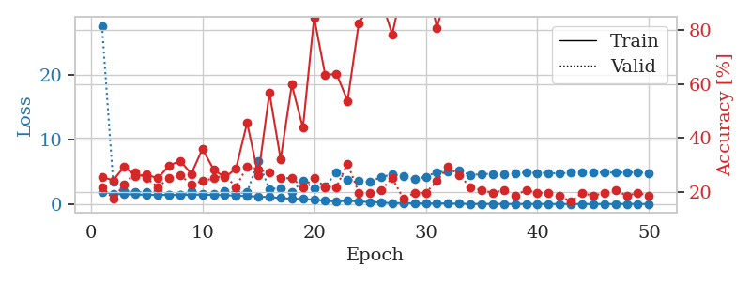
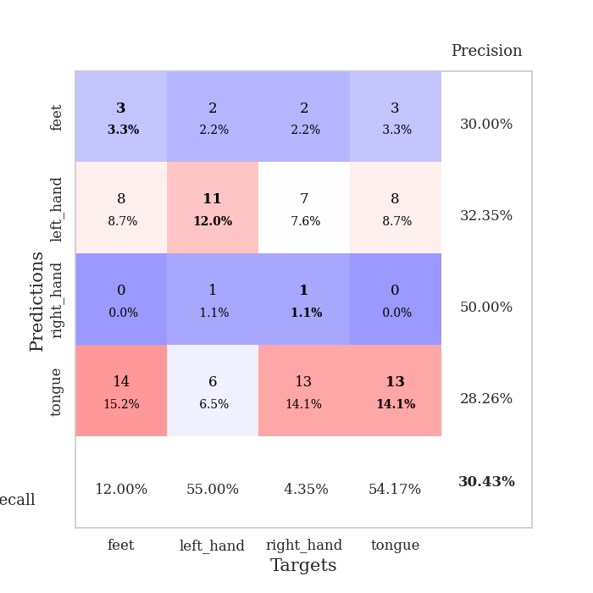
train_loss | valid_loss | train_accuracy | valid_accuracy | dur | train_misclass | valid_misclass
1.9182092884 | 27.523153886 | 0.25543478261 | 0.21739130435 | 1.1495826244 | 25.543478261 | 21.739130435
1.5706352255 | 3.4147828817 | 0.24184782609 | 0.17391304348 | 1.148075819 | 24.184782609 | 17.391304348
1.504187672 | 1.9703858417 | 0.29347826087 | 0.22826086957 | 1.1487054825 | 29.347826087 | 22.826086957
1.4904359683 | 1.8421201861 | 0.25815217391 | 0.27173913043 | 1.1479201317 | 25.815217391 | 27.173913043
1.4019608809 | 1.8099228662 | 0.26358695652 | 0.25 | 1.1480875015 | 26.358695652 | 25
1.4159306184 | 2.0218784965 | 0.25 | 0.21739130435 | 1.1482942104 | 25 | 21.739130435
1.4108491048 | 1.3844610867 | 0.29619565217 | 0.25 | 1.1480021477 | 29.619565217 | 25
1.3738714249 | 1.4540532309 | 0.3152173913 | 0.26086956522 | 1.1483361721 | 31.52173913 | 26.086956522
1.4236841098 | 1.9362459338 | 0.26630434783 | 0.22826086957 | 1.1485192776 | 26.630434783 | 22.826086957
1.4478376637 | 1.5986737376 | 0.35869565217 | 0.23913043478 | 1.1493201256 | 35.869565217 | 23.913043478
1.4086844817 | 1.6056149991 | 0.28260869565 | 0.25 | 1.1485617161 | 28.260869565 | 25
1.3585677302 | 1.9769578447 | 0.2527173913 | 0.26086956522 | 1.1480722427 | 25.27173913 | 26.086956522
1.2764316538 | 1.6450193136 | 0.28532608696 | 0.21739130435 | 1.1484475136 | 28.532608696 | 21.739130435
1.2345935029 | 1.8438561792 | 0.45652173913 | 0.29347826087 | 1.1486935616 | 45.652173913 | 29.347826087
1.1370473426 | 6.5613554457 | 0.26086956522 | 0.28260869565 | 1.1496641636 | 26.086956522 | 28.260869565
1.073817051 | 2.2910344186 | 0.56793478261 | 0.27173913043 | 1.1476738453 | 56.793478261 | 27.173913043
0.9155601263 | 2.4813235324 | 0.32065217391 | 0.25 | 1.1485230923 | 32.065217391 | 25
0.81795985284 | 1.8625681089 | 0.59782608696 | 0.25 | 1.1487312317 | 59.782608696 | 25
0.78519653108 | 3.5897971547 | 0.4375 | 0.21739130435 | 1.1492664814 | 43.75 | 21.739130435
0.66218452868 | 2.4318636086 | 0.84782608696 | 0.25 | 1.1483545303 | 84.782608696 | 25
0.51928159983 | 2.7473383468 | 0.63315217391 | 0.21739130435 | 1.1484012604 | 63.315217391 | 21.739130435
0.37956694611 | 4.8409424035 | 0.63858695652 | 0.21739130435 | 1.1479046345 | 63.858695652 | 21.739130435
0.52519771651 | 3.7926301749 | 0.53804347826 | 0.30434782609 | 1.1485517025 | 53.804347826 | 30.434782609
0.38026868649 | 3.5181886632 | 0.82608695652 | 0.19565217391 | 1.1484742165 | 82.608695652 | 19.565217391
0.31652090407 | 3.4316652132 | 0.89130434783 | 0.19565217391 | 1.1475322247 | 89.130434783 | 19.565217391
0.24673209566 | 4.1536369946 | 0.91304347826 | 0.20652173913 | 1.1489956379 | 91.304347826 | 20.652173913
0.12000654751 | 4.5756381698 | 0.78532608696 | 0.25 | 1.148668766 | 78.532608696 | 25
0.16103105263 | 4.2513304793 | 0.97282608696 | 0.17391304348 | 1.1492040157 | 97.282608696 | 17.391304348
0.11006913476 | 3.8092304727 | 0.99184782609 | 0.19565217391 | 1.1485683918 | 99.184782609 | 19.565217391
0.07206535886 | 4.2154819862 | 0.9972826087 | 0.19565217391 | 1.148485899 | 99.72826087 | 19.565217391
0.098723495865 | 4.9268400151 | 0.8097826087 | 0.23913043478 | 1.1480956078 | 80.97826087 | 23.913043478
0.079836160187 | 5.017248983 | 0.95380434783 | 0.29347826087 | 1.1482961178 | 95.380434783 | 29.347826087
0.051116624037 | 5.2321210737 | 0.99456521739 | 0.26086956522 | 1.1489479542 | 99.456521739 | 26.086956522
0.036810914581 | 4.4244864505 | 1 | 0.21739130435 | 1.1490428448 | 100 | 21.739130435
0.020827365391 | 4.6611187354 | 1 | 0.20652173913 | 1.1489527225 | 100 | 20.652173913
0.029999851441 | 4.6266860755 | 1 | 0.19565217391 | 1.1484174728 | 100 | 19.565217391
0.01833349851 | 4.5530299518 | 1 | 0.20652173913 | 1.1482915878 | 100 | 20.652173913
0.013579319044 | 4.7051095755 | 1 | 0.1847826087 | 1.1487386227 | 100 | 18.47826087
0.020680551458 | 4.8560349216 | 1 | 0.20652173913 | 1.1488361359 | 100 | 20.652173913
0.013608386568 | 4.7934679156 | 1 | 0.19565217391 | 1.1492013931 | 100 | 19.565217391
0.0071815585657 | 4.8033307324 | 1 | 0.19565217391 | 1.1488039494 | 100 | 19.565217391
0.0095476265744 | 4.7033009114 | 1 | 0.1847826087 | 1.1506841183 | 100 | 18.47826087
0.010579199065 | 4.8529433582 | 1 | 0.16304347826 | 1.1493930817 | 100 | 16.304347826
0.01046259191 | 4.8235068529 | 1 | 0.19565217391 | 1.1496806145 | 100 | 19.565217391
0.011415860271 | 4.8494287781 | 1 | 0.1847826087 | 1.1498081684 | 100 | 18.47826087
0.0049528649441 | 4.8508841888 | 1 | 0.19565217391 | 1.150074482 | 100 | 19.565217391
0.0048786917013 | 4.8467730854 | 1 | 0.20652173913 | 1.1509833336 | 100 | 20.652173913
0.024091964193 | 4.8335537496 | 1 | 0.1847826087 | 1.1499176025 | 100 | 18.47826087
0.018542549057 | 4.8968994099 | 1 | 0.19565217391 | 1.150759697 | 100 | 19.565217391
0.0066016070575 | 4.7786398141 | 1 | 0.1847826087 | 1.1504430771 | 100 | 18.47826087

Best Val accuracy is 0.30434782608695654 and Best test accuracy is 0.27586206896551724

Sheet10
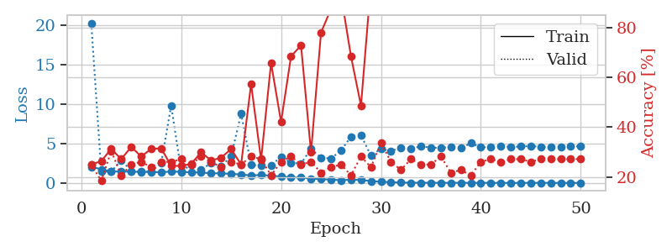
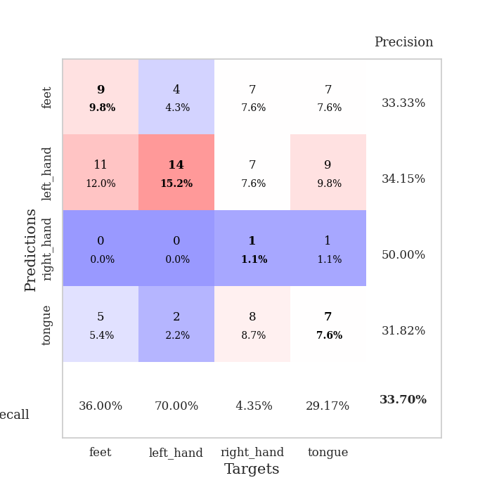
train_loss | valid_loss | train_accuracy | valid_accuracy | dur | train_misclass | valid_misclass
2.0526926155 | 20.303093869 | 0.25 | 0.25 | 1.1517789364 | 25 | 25
1.7366936621 | 1.4587202228 | 0.26358695652 | 0.1847826087 | 1.1473431587 | 26.358695652 | 18.47826087
1.4339570999 | 1.4368409748 | 0.3125 | 0.30434782609 | 1.1484923363 | 31.25 | 30.434782609
1.4691692487 | 2.9056915667 | 0.27173913043 | 0.20652173913 | 1.146873951 | 27.173913043 | 20.652173913
1.4279132874 | 1.514561026 | 0.32065217391 | 0.25 | 1.1483478546 | 32.065217391 | 25
1.4018599106 | 1.4293491374 | 0.28260869565 | 0.26086956522 | 1.1491174698 | 28.260869565 | 26.086956522
1.3941223829 | 1.4624926111 | 0.3125 | 0.23913043478 | 1.1491498947 | 31.25 | 23.913043478
1.3559725958 | 2.4997561341 | 0.3152173913 | 0.26086956522 | 1.1493396759 | 31.52173913 | 26.086956522
1.4609860752 | 9.8436017347 | 0.24456521739 | 0.26086956522 | 1.1482934952 | 24.456521739 | 26.086956522
1.4083961145 | 1.505639071 | 0.24456521739 | 0.27173913043 | 1.1490623951 | 24.456521739 | 27.173913043
1.3451394465 | 2.2829060917 | 0.2527173913 | 0.25 | 1.1487381458 | 25.27173913 | 25
1.3347067418 | 1.6543885107 | 0.29891304348 | 0.28260869565 | 1.1487550735 | 29.891304348 | 28.260869565
1.2134671496 | 2.5493664431 | 0.26630434783 | 0.26086956522 | 1.1483120918 | 26.630434783 | 26.086956522
1.2266048763 | 2.1128375945 | 0.27717391304 | 0.23913043478 | 1.149194479 | 27.717391304 | 23.913043478
1.1414961452 | 3.3694947284 | 0.3125 | 0.26086956522 | 1.1484670639 | 31.25 | 26.086956522
1.0745906052 | 8.7946374313 | 0.25 | 0.25 | 1.1493580341 | 25 | 25
0.94884229743 | 2.2918992354 | 0.57336956522 | 0.28260869565 | 1.1486747265 | 57.336956522 | 28.260869565
1.0190412661 | 2.1738686302 | 0.26902173913 | 0.27173913043 | 1.1479206085 | 26.902173913 | 27.173913043
0.91887717402 | 2.2363067503 | 0.65760869565 | 0.20652173913 | 1.1474545002 | 65.760869565 | 20.652173913
0.8112367884 | 3.3311786444 | 0.42119565217 | 0.26086956522 | 1.1480629444 | 42.119565217 | 26.086956522
0.71671730798 | 2.5300033092 | 0.6847826087 | 0.28260869565 | 1.1485705376 | 68.47826087 | 28.260869565
0.67642849036 | 2.4784717871 | 0.72826086957 | 0.25 | 1.1484978199 | 72.826086957 | 25
0.55971074234 | 4.3039680771 | 0.29891304348 | 0.26086956522 | 1.1490461826 | 29.891304348 | 26.086956522
0.47390413155 | 3.2133957821 | 0.77989130435 | 0.21739130435 | 1.1489667892 | 77.989130435 | 21.739130435
0.4298311621 | 3.106208511 | 0.875 | 0.23913043478 | 1.1513733864 | 87.5 | 23.913043478
0.34003213825 | 4.1149246071 | 0.93206521739 | 0.25 | 1.1484954357 | 93.206521739 | 25
0.42594650323 | 5.8944647001 | 0.6847826087 | 0.20652173913 | 1.1492152214 | 68.47826087 | 20.652173913
0.37379752553 | 6.0509910998 | 0.48641304348 | 0.28260869565 | 1.148730278 | 48.641304348 | 28.260869565
0.23646983569 | 3.4624181105 | 0.97826086957 | 0.23913043478 | 1.149135828 | 97.826086957 | 23.913043478
0.15509744118 | 4.3377051353 | 0.98369565217 | 0.33695652174 | 1.1494913101 | 98.369565217 | 33.695652174
0.099360500746 | 4.0556950984 | 0.94836956522 | 0.26086956522 | 1.1491806507 | 94.836956522 | 26.086956522
0.049312292517 | 4.4825826521 | 0.9972826087 | 0.22826086957 | 1.1491913795 | 99.72826087 | 22.826086957
0.025684225899 | 4.3611274595 | 0.9972826087 | 0.27173913043 | 1.1500051022 | 99.72826087 | 27.173913043
0.028009863186 | 4.6477514039 | 0.9972826087 | 0.25 | 1.1496696472 | 99.72826087 | 25
0.021154988719 | 4.5077597784 | 0.9972826087 | 0.25 | 1.1511697769 | 99.72826087 | 25
0.0138385356 | 4.4344361969 | 0.9972826087 | 0.28260869565 | 1.14939785 | 99.72826087 | 28.260869565
0.020928434795 | 4.6000336149 | 0.9972826087 | 0.21739130435 | 1.1505460739 | 99.72826087 | 21.739130435
0.016824678356 | 4.420104711 | 0.9972826087 | 0.22826086957 | 1.1497266293 | 99.72826087 | 22.826086957
0.0092400406467 | 5.047565937 | 0.9972826087 | 0.20652173913 | 1.1518280506 | 99.72826087 | 20.652173913
0.01523059644 | 4.5362665135 | 0.9972826087 | 0.26086956522 | 1.1498398781 | 99.72826087 | 26.086956522
0.012891481195 | 4.5509656201 | 0.9972826087 | 0.27173913043 | 1.1508526802 | 99.72826087 | 27.173913043
0.006398645174 | 4.6940673538 | 0.9972826087 | 0.26086956522 | 1.1498494148 | 99.72826087 | 26.086956522
0.0047675012257 | 4.570000607 | 0.9972826087 | 0.27173913043 | 1.1508104801 | 99.72826087 | 27.173913043
0.0066834145995 | 4.6285738945 | 0.9972826087 | 0.27173913043 | 1.1494114399 | 99.72826087 | 27.173913043
0.0097449286891 | 4.6828558963 | 0.9972826087 | 0.26086956522 | 1.150812149 | 99.72826087 | 26.086956522
0.014898414324 | 4.5915016506 | 0.9972826087 | 0.27173913043 | 1.1503305435 | 99.72826087 | 27.173913043
0.0070408946662 | 4.6058532259 | 0.9972826087 | 0.27173913043 | 1.1508324146 | 99.72826087 | 27.173913043
0.0043159378186 | 4.6083872215 | 0.9972826087 | 0.27173913043 | 1.1503229141 | 99.72826087 | 27.173913043
0.0042386696137 | 4.6512345231 | 0.9972826087 | 0.27173913043 | 1.1501429081 | 99.72826087 | 27.173913043
0.004858431953 | 4.6517687466 | 0.9972826087 | 0.27173913043 | 1.1506922245 | 99.72826087 | 27.173913043

Best Val accuracy is 0.33695652173913043 and Best test accuracy is 0.23275862068965517

