Sheet
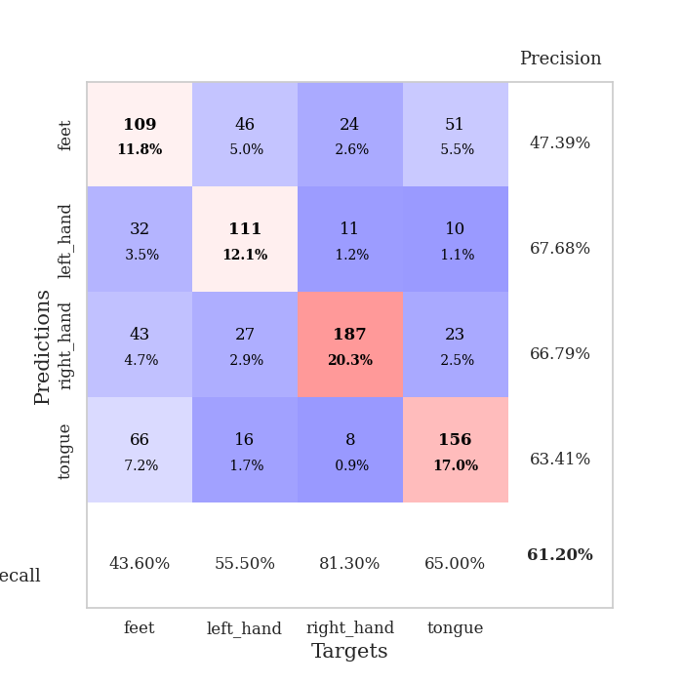
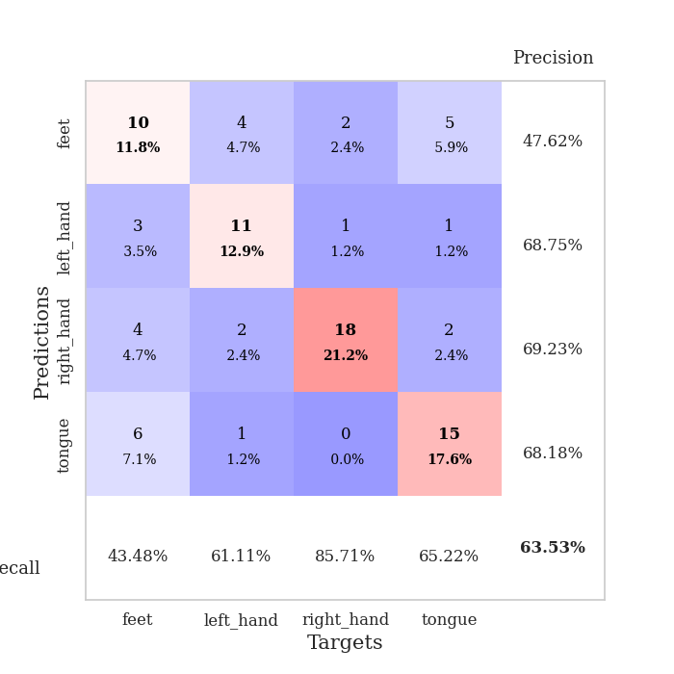
best_val_acc | best_val_los | best_test_acc
0.5652173913 | 1.1740985487 | 0.51724137931
0.60869565217 | 1.1460832254 | 0.56034482759
0.54347826087 | 1.3288877477 | 0.48275862069
0.63043478261 | 1.1631244188 | 0.49137931034
0.64130434783 | 0.92244980646 | 0.56896551724
0.67391304348 | 1.2087770389 | 0.62068965517
0.60869565217 | 1.3191177327 | 0.58620689655
0.63043478261 | 1.4260276349 | 0.47413793103
0.58695652174 | 1.1191043854 | 0.53448275862
0.63043478261 | 1.1154652938 | 0.52586206897

Mean,std Val accuracy is 0.6119565217391305 , 0.03836133603642442 and mean, std test accuracy is 0.536206896551724 , 0.04770461142401639

Sheet1
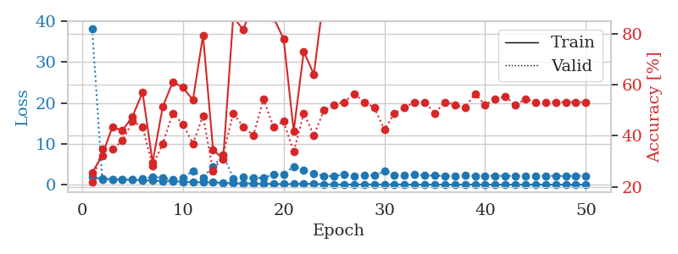
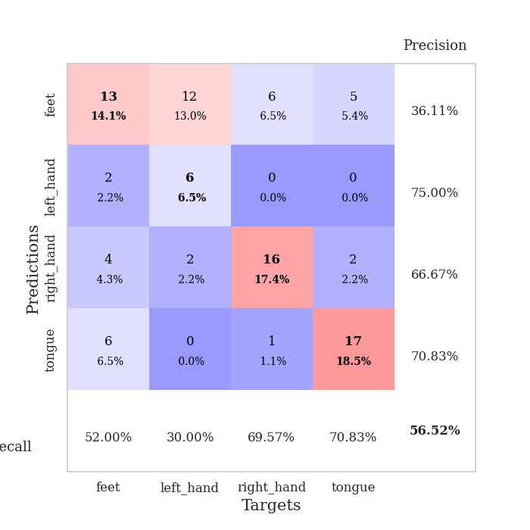
train_loss | valid_loss | train_accuracy | valid_accuracy | dur | train_misclass | valid_misclass
1.778136554 | 38.107048201 | 0.25543478261 | 0.21739130435 | 1.1519842148 | 25.543478261 | 21.739130435
1.3725815804 | 1.3527858568 | 0.32336956522 | 0.34782608696 | 1.148116827 | 32.336956522 | 34.782608696
1.3247722284 | 1.3570482161 | 0.4347826087 | 0.34782608696 | 1.1485478878 | 43.47826087 | 34.782608696
1.2527119336 | 1.3418459892 | 0.42119565217 | 0.38043478261 | 1.149089098 | 42.119565217 | 38.043478261
1.1924758372 | 1.3191934979 | 0.47554347826 | 0.45652173913 | 1.147069931 | 47.554347826 | 45.652173913
1.0339023004 | 1.3661345192 | 0.57065217391 | 0.4347826087 | 1.1489777565 | 57.065217391 | 43.47826087
0.96764685538 | 1.8359401174 | 0.29619565217 | 0.28260869565 | 1.1483900547 | 29.619565217 | 28.260869565
0.87083856178 | 1.728820127 | 0.51358695652 | 0.36956521739 | 1.1491270065 | 51.358695652 | 36.956521739
0.87053930889 | 1.1740985487 | 0.61141304348 | 0.48913043478 | 1.1485521793 | 61.141304348 | 48.913043478
0.68234841202 | 1.7065304103 | 0.58967391304 | 0.44565217391 | 1.1484372616 | 58.967391304 | 44.565217391
0.61133089273 | 3.3120662751 | 0.54076086957 | 0.36956521739 | 1.1476452351 | 54.076086957 | 36.956521739
0.56548663067 | 1.7626888026 | 0.79347826087 | 0.47826086957 | 1.1489295959 | 79.347826087 | 47.826086957
0.53940717811 | 4.465089487 | 0.34510869565 | 0.26086956522 | 1.1484737396 | 34.510869565 | 26.086956522
0.42348716376 | 7.2612786708 | 0.3097826087 | 0.32608695652 | 1.1492400169 | 30.97826087 | 32.608695652
0.34412747945 | 1.5539818432 | 0.86684782609 | 0.48913043478 | 1.1509213448 | 86.684782609 | 48.913043478
0.32320503178 | 1.8225029551 | 0.8152173913 | 0.4347826087 | 1.1506509781 | 81.52173913 | 43.47826087
0.30848709397 | 1.636019489 | 0.92934782609 | 0.40217391304 | 1.1492125988 | 92.934782609 | 40.217391304
0.20617618444 | 1.6673247607 | 0.98369565217 | 0.54347826087 | 1.1490080357 | 98.369565217 | 54.347826087
0.18380809268 | 2.4856993115 | 0.86413043478 | 0.4347826087 | 1.1505379677 | 86.413043478 | 43.47826087
0.13214013859 | 2.5031652347 | 0.77989130435 | 0.45652173913 | 1.1496357918 | 77.989130435 | 45.652173913
0.15128026271 | 4.4238258859 | 0.41847826087 | 0.33695652174 | 1.1502501965 | 41.847826087 | 33.695652174
0.27063764664 | 3.5851747471 | 0.73097826087 | 0.48913043478 | 1.149030447 | 73.097826087 | 48.913043478
0.18053865708 | 2.7778965494 | 0.64130434783 | 0.40217391304 | 1.1497628689 | 64.130434783 | 40.217391304
0.10184907419 | 2.1316376458 | 0.95380434783 | 0.5 | 1.1483850479 | 95.380434783 | 50
0.039107236141 | 2.0623086224 | 0.97554347826 | 0.52173913043 | 1.1499083042 | 97.554347826 | 52.173913043
0.03069367776 | 2.5221844238 | 0.9972826087 | 0.53260869565 | 1.1492440701 | 99.72826087 | 53.260869565
0.027460847333 | 2.0585780351 | 1 | 0.5652173913 | 1.1497039795 | 100 | 56.52173913
0.033813342047 | 2.3459807997 | 0.98641304348 | 0.53260869565 | 1.1489312649 | 98.641304348 | 53.260869565
0.044446817878 | 2.2288710449 | 1 | 0.51086956522 | 1.1504559517 | 100 | 51.086956522
0.026365805073 | 3.264025854 | 0.9972826087 | 0.42391304348 | 1.1486029625 | 99.72826087 | 42.391304348
0.051610041415 | 2.3360799292 | 1 | 0.48913043478 | 1.1486225128 | 100 | 48.913043478
0.0096604641623 | 2.2491884646 | 1 | 0.51086956522 | 1.1491885185 | 100 | 51.086956522
0.01535230463 | 2.5347813005 | 1 | 0.53260869565 | 1.1495945454 | 100 | 53.260869565
0.0056324825298 | 2.2068567587 | 1 | 0.53260869565 | 1.1488485336 | 100 | 53.260869565
0.0047244165376 | 2.2044157153 | 1 | 0.48913043478 | 1.1491918564 | 100 | 48.913043478
0.0029826562588 | 2.157066594 | 1 | 0.53260869565 | 1.149194479 | 100 | 53.260869565
0.0090514941257 | 2.142668693 | 1 | 0.52173913043 | 1.1494281292 | 100 | 52.173913043
0.034474345935 | 2.2380032539 | 1 | 0.51086956522 | 1.1491670609 | 100 | 51.086956522
0.0045106566382 | 2.1277478882 | 1 | 0.5652173913 | 1.1499598026 | 100 | 56.52173913
0.028443558328 | 2.1755405509 | 1 | 0.52173913043 | 1.1504819393 | 100 | 52.173913043
0.0150859731 | 2.1453602936 | 1 | 0.54347826087 | 1.1505861282 | 100 | 54.347826087
0.0042368368658 | 2.146642716 | 1 | 0.55434782609 | 1.149828434 | 100 | 55.434782609
0.014112507904 | 2.1450868586 | 1 | 0.52173913043 | 1.1501777172 | 100 | 52.173913043
0.0077584055189 | 2.1554885014 | 1 | 0.54347826087 | 1.1505842209 | 100 | 54.347826087
0.0041788972562 | 2.1328072859 | 1 | 0.53260869565 | 1.150793314 | 100 | 53.260869565
0.0025623417681 | 2.1193954219 | 1 | 0.53260869565 | 1.1501269341 | 100 | 53.260869565
0.0052041073106 | 2.1255538878 | 1 | 0.53260869565 | 1.1524097919 | 100 | 53.260869565
0.0054217039952 | 2.1200125839 | 1 | 0.53260869565 | 1.1509079933 | 100 | 53.260869565
0.001521919599 | 2.1289201923 | 1 | 0.53260869565 | 1.151267767 | 100 | 53.260869565
0.003570958209 | 2.1286629594 | 1 | 0.53260869565 | 1.1511764526 | 100 | 53.260869565

Best Val accuracy is 0.5652173913043478 and Best test accuracy is 0.5172413793103449

Sheet2
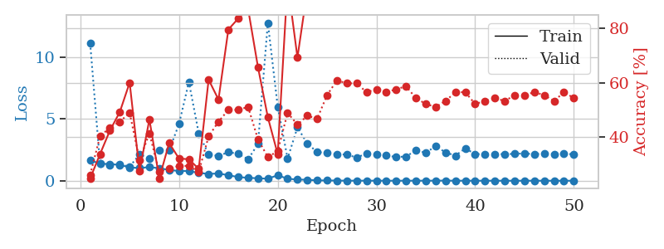
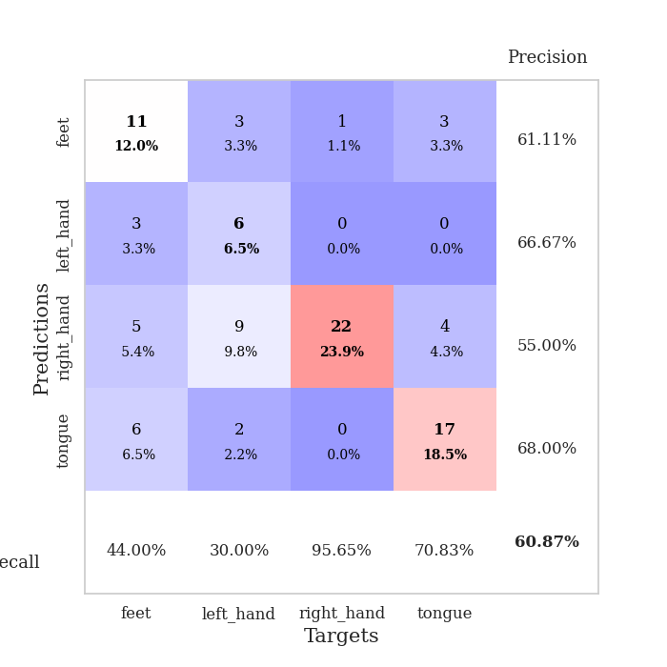
train_loss | valid_loss | train_accuracy | valid_accuracy | dur | train_misclass | valid_misclass
1.6603019134 | 11.115161606 | 0.2472826087 | 0.26086956522 | 1.14920187 | 24.72826087 | 26.086956522
1.3790924549 | 1.3614931055 | 0.33695652174 | 0.40217391304 | 1.1478478909 | 33.695652174 | 40.217391304
1.3471317706 | 1.2747532596 | 0.42391304348 | 0.4347826087 | 1.1473810673 | 42.391304348 | 43.47826087
1.2890084464 | 1.3419112174 | 0.49184782609 | 0.45652173913 | 1.1485424042 | 49.184782609 | 45.652173913
1.0730029034 | 1.1460832254 | 0.60054347826 | 0.48913043478 | 1.1477704048 | 60.054347826 | 48.913043478
1.0290270888 | 2.1149972729 | 0.27445652174 | 0.3152173913 | 1.1471850872 | 27.445652174 | 31.52173913
1.1018096623 | 1.8069296142 | 0.46467391304 | 0.41304347826 | 1.1498770714 | 46.467391304 | 41.304347826
1.0140644351 | 2.4727373538 | 0.2472826087 | 0.27173913043 | 1.1497559547 | 24.72826087 | 27.173913043
0.87000061896 | 2.4577525388 | 0.3777173913 | 0.28260869565 | 1.1492722034 | 37.77173913 | 28.260869565
0.78851057395 | 4.5829797413 | 0.32065217391 | 0.29347826087 | 1.1495628357 | 32.065217391 | 29.347826087
0.78636486375 | 7.9856195243 | 0.31793478261 | 0.29347826087 | 1.1494226456 | 31.793478261 | 29.347826087
0.63467431587 | 3.8329596105 | 0.28260869565 | 0.27173913043 | 1.149408102 | 28.260869565 | 27.173913043
0.55157254183 | 2.1236011671 | 0.61141304348 | 0.40217391304 | 1.1508932114 | 61.141304348 | 40.217391304
0.59150728648 | 2.0040713808 | 0.53804347826 | 0.45652173913 | 1.1504063606 | 53.804347826 | 45.652173913
0.44565944244 | 2.3162915085 | 0.79619565217 | 0.5 | 1.1504678726 | 79.619565217 | 50
0.29852426408 | 2.1745152784 | 0.83695652174 | 0.5 | 1.1503899097 | 83.695652174 | 50
0.23650445498 | 1.7380788274 | 0.8722826087 | 0.51086956522 | 1.1492087841 | 87.22826087 | 51.086956522
0.20159519075 | 2.9716589969 | 0.65760869565 | 0.39130434783 | 1.1508204937 | 65.760869565 | 39.130434783
0.16440489289 | 12.767560834 | 0.47282608696 | 0.32608695652 | 1.1493022442 | 47.282608696 | 32.608695652
0.44724962399 | 5.9896770146 | 0.33695652174 | 0.34782608696 | 1.1499705315 | 33.695652174 | 34.782608696
0.15852996828 | 1.7927573349 | 0.97010869565 | 0.48913043478 | 1.1497426033 | 97.010869565 | 48.913043478
0.099559379094 | 4.321240933 | 0.69293478261 | 0.44565217391 | 1.1517364979 | 69.293478261 | 44.565217391
0.077936974476 | 2.9976608546 | 0.94293478261 | 0.47826086957 | 1.1502699852 | 94.293478261 | 47.826086957
0.029449493847 | 2.3249930713 | 0.97282608696 | 0.46739130435 | 1.1506912708 | 97.282608696 | 46.739130435
0.023788986788 | 2.2393427206 | 0.92119565217 | 0.55434782609 | 1.1495847702 | 92.119565217 | 55.434782609
0.014687265168 | 2.1484200229 | 1 | 0.60869565217 | 1.1500439644 | 100 | 60.869565217
0.0052680313111 | 2.1153329352 | 1 | 0.59782608696 | 1.1501135826 | 100 | 59.782608696
0.0058671777116 | 1.8741834889 | 1 | 0.59782608696 | 1.1507885456 | 100 | 59.782608696
0.0060964242034 | 2.2024223286 | 1 | 0.5652173913 | 1.1498482227 | 100 | 56.52173913
0.0048192365148 | 2.131286165 | 1 | 0.57608695652 | 1.1501743793 | 100 | 57.608695652
0.004289323502 | 2.0351141121 | 1 | 0.5652173913 | 1.1498012543 | 100 | 56.52173913
0.0030815124793 | 1.9211360683 | 1 | 0.57608695652 | 1.1502110958 | 100 | 57.608695652
0.0061396548079 | 1.9583233128 | 1 | 0.58695652174 | 1.1511657238 | 100 | 58.695652174
0.0048640532186 | 2.4538857315 | 1 | 0.54347826087 | 1.1498060226 | 100 | 54.347826087
0.007655856645 | 2.2672005633 | 1 | 0.52173913043 | 1.1497647762 | 100 | 52.173913043
0.0078918442646 | 2.7905510301 | 1 | 0.51086956522 | 1.1521496773 | 100 | 51.086956522
0.014826998403 | 2.2932722569 | 1 | 0.53260869565 | 1.1512572765 | 100 | 53.260869565
0.004131750248 | 2.0308278022 | 1 | 0.5652173913 | 1.1509625912 | 100 | 56.52173913
0.0066069525467 | 2.6136346796 | 1 | 0.5652173913 | 1.1510341167 | 100 | 56.52173913
0.0033621030895 | 2.1586052024 | 1 | 0.52173913043 | 1.151018858 | 100 | 52.173913043
0.0040316712364 | 2.1465410046 | 1 | 0.53260869565 | 1.1506404877 | 100 | 53.260869565
0.0037466428804 | 2.1642107238 | 1 | 0.54347826087 | 1.1510658264 | 100 | 54.347826087
0.0034395570376 | 2.1473693744 | 1 | 0.53260869565 | 1.1511957645 | 100 | 53.260869565
0.0016212632067 | 2.1760042647 | 1 | 0.55434782609 | 1.1519117355 | 100 | 55.434782609
0.0047665121301 | 2.2104839138 | 1 | 0.55434782609 | 1.1516020298 | 100 | 55.434782609
0.004484575052 | 2.1415560453 | 1 | 0.5652173913 | 1.1516664028 | 100 | 56.52173913
0.003463012904 | 2.2023809889 | 1 | 0.55434782609 | 1.1517646313 | 100 | 55.434782609
0.0022374681829 | 2.161495499 | 1 | 0.53260869565 | 1.1512739658 | 100 | 53.260869565
0.0023133167883 | 2.2029819281 | 1 | 0.5652173913 | 1.1515674591 | 100 | 56.52173913
0.0032301732597 | 2.1244930495 | 1 | 0.54347826087 | 1.1511940956 | 100 | 54.347826087

Best Val accuracy is 0.6086956521739131 and Best test accuracy is 0.5603448275862069

Sheet3
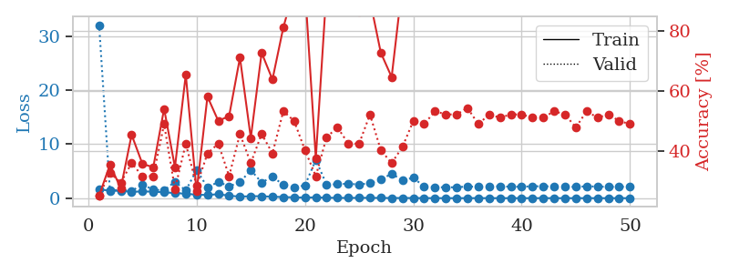
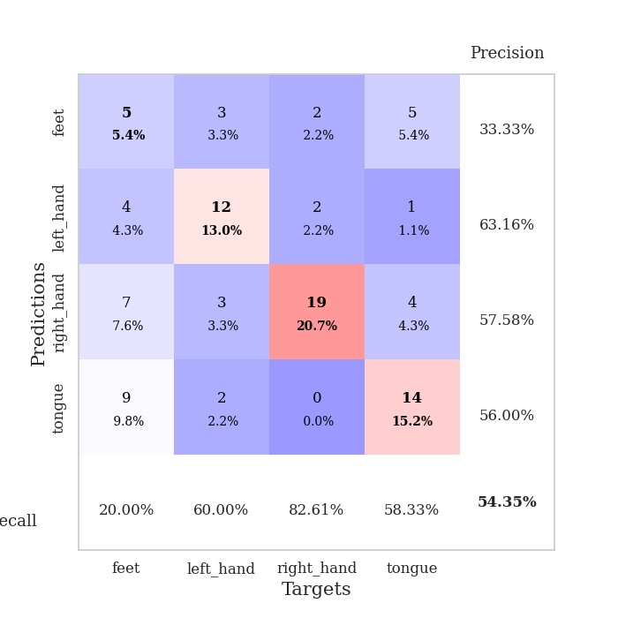
train_loss | valid_loss | train_accuracy | valid_accuracy | dur | train_misclass | valid_misclass
1.6307831122 | 32.056484057 | 0.25 | 0.25 | 1.1492416859 | 25 | 25
1.3865066248 | 1.4052854776 | 0.35326086957 | 0.32608695652 | 1.146474123 | 35.326086957 | 32.608695652
1.3516183625 | 1.5331444118 | 0.27445652174 | 0.29347826087 | 1.1474120617 | 27.445652174 | 29.347826087
1.185449538 | 1.3288877477 | 0.45380434783 | 0.35869565217 | 1.1493098736 | 45.380434783 | 35.869565217
1.2320698111 | 2.5119054214 | 0.35597826087 | 0.3152173913 | 1.1475121975 | 35.597826087 | 31.52173913
1.2117272097 | 1.5798523115 | 0.34510869565 | 0.3152173913 | 1.1490774155 | 34.510869565 | 31.52173913
1.0640927527 | 1.4253238751 | 0.54076086957 | 0.48913043478 | 1.1488747597 | 54.076086957 | 48.913043478
0.96197457158 | 3.0617788253 | 0.34510869565 | 0.27173913043 | 1.1484975815 | 34.510869565 | 27.173913043
0.81532639783 | 1.3987571519 | 0.65489130435 | 0.42391304348 | 1.1485421658 | 65.489130435 | 42.391304348
0.63851265933 | 5.2290087161 | 0.26358695652 | 0.28260869565 | 1.1494700909 | 26.358695652 | 28.260869565
0.58570349864 | 2.0069483 | 0.58152173913 | 0.39130434783 | 1.1490828991 | 58.152173913 | 39.130434783
0.7348745258 | 2.9962385012 | 0.5 | 0.42391304348 | 1.1493577957 | 50 | 42.391304348
0.45836138531 | 2.2128738424 | 0.51630434783 | 0.3152173913 | 1.1494956017 | 51.630434783 | 31.52173913
0.2790993248 | 2.9125313811 | 0.71195652174 | 0.45652173913 | 1.1496419907 | 71.195652174 | 45.652173913
0.35902615734 | 5.2238315707 | 0.44293478261 | 0.35869565217 | 1.1495475769 | 44.293478261 | 35.869565217
0.35937830061 | 2.8816162918 | 0.72826086957 | 0.45652173913 | 1.1503207684 | 72.826086957 | 45.652173913
0.26035835885 | 3.9754904457 | 0.63858695652 | 0.39130434783 | 1.1499388218 | 63.858695652 | 39.130434783
0.20803682652 | 2.4642012638 | 0.8125 | 0.53260869565 | 1.1494765282 | 81.25 | 53.260869565
0.14153223084 | 1.9831740753 | 0.94293478261 | 0.5 | 1.1500411034 | 94.293478261 | 50
0.11999562998 | 2.3708203409 | 0.94565217391 | 0.40217391304 | 1.1486611366 | 94.565217391 | 40.217391304
0.14438651883 | 7.0867869336 | 0.375 | 0.3152173913 | 1.1496081352 | 37.5 | 31.52173913
0.088391689341 | 2.4748608962 | 0.94565217391 | 0.44565217391 | 1.1499302387 | 94.565217391 | 44.565217391
0.058334613482 | 2.5915120477 | 0.97010869565 | 0.47826086957 | 1.1501979828 | 97.010869565 | 47.826086957
0.044251184212 | 2.6693694903 | 0.93206521739 | 0.42391304348 | 1.1490368843 | 93.206521739 | 42.391304348
0.064755174129 | 2.5300166918 | 0.86413043478 | 0.42391304348 | 1.1509993076 | 86.413043478 | 42.391304348
0.064737506818 | 2.7710930472 | 0.90489130435 | 0.52173913043 | 1.1502752304 | 90.489130435 | 52.173913043
0.043257689103 | 3.4249918254 | 0.72826086957 | 0.40217391304 | 1.150680542 | 72.826086957 | 40.217391304
0.028079395516 | 4.5369850864 | 0.64673913043 | 0.35869565217 | 1.1505253315 | 64.673913043 | 35.869565217
0.030601409927 | 3.2853398116 | 0.95923913043 | 0.41304347826 | 1.1506979465 | 95.923913043 | 41.304347826
0.021105742798 | 3.7795254251 | 0.91576086957 | 0.5 | 1.1496224403 | 91.576086957 | 50
0.01200432304 | 2.1352307071 | 1 | 0.48913043478 | 1.1514387131 | 100 | 48.913043478
0.005062682401 | 2.0364727196 | 1 | 0.53260869565 | 1.1507923603 | 100 | 53.260869565
0.0032681356078 | 2.0007667127 | 1 | 0.52173913043 | 1.1509006023 | 100 | 52.173913043
0.0033414422322 | 2.0164442322 | 1 | 0.52173913043 | 1.1512844563 | 100 | 52.173913043
0.0045520621997 | 2.1622589153 | 1 | 0.54347826087 | 1.1510801315 | 100 | 54.347826087
0.009243687711 | 2.0932696228 | 1 | 0.48913043478 | 1.1515643597 | 100 | 48.913043478
0.0049964820285 | 2.1184909033 | 1 | 0.52173913043 | 1.1506788731 | 100 | 52.173913043
0.0022771420418 | 2.2153985604 | 1 | 0.51086956522 | 1.1504421234 | 100 | 51.086956522
0.0020828411216 | 2.0997936829 | 1 | 0.52173913043 | 1.1499371529 | 100 | 52.173913043
0.0020522961403 | 2.129274954 | 1 | 0.52173913043 | 1.1507291794 | 100 | 52.173913043
0.0020056498176 | 2.1867517803 | 1 | 0.51086956522 | 1.1500563622 | 100 | 51.086956522
0.0057900930595 | 2.2227470512 | 1 | 0.51086956522 | 1.1517693996 | 100 | 51.086956522
0.0019247683028 | 2.1290348043 | 1 | 0.53260869565 | 1.1507189274 | 100 | 53.260869565
0.0021637389398 | 2.1221584237 | 1 | 0.52173913043 | 1.1514894962 | 100 | 52.173913043
0.00098453934112 | 2.0802914578 | 1 | 0.47826086957 | 1.151047945 | 100 | 47.826086957
0.0029346564387 | 2.1965961093 | 1 | 0.53260869565 | 1.1512053013 | 100 | 53.260869565
0.0020165667014 | 2.140826246 | 1 | 0.51086956522 | 1.1514718533 | 100 | 51.086956522
0.0014507362269 | 2.0937246913 | 1 | 0.52173913043 | 1.1506178379 | 100 | 52.173913043
0.0021975922117 | 2.1090730325 | 1 | 0.5 | 1.1511883736 | 100 | 50
0.0014316298355 | 2.1158262128 | 1 | 0.48913043478 | 1.1518042088 | 100 | 48.913043478

Best Val accuracy is 0.5434782608695652 and Best test accuracy is 0.4827586206896552

Sheet4
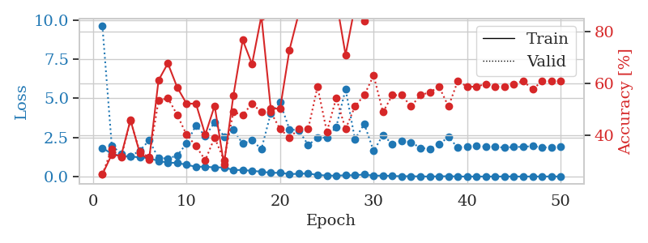
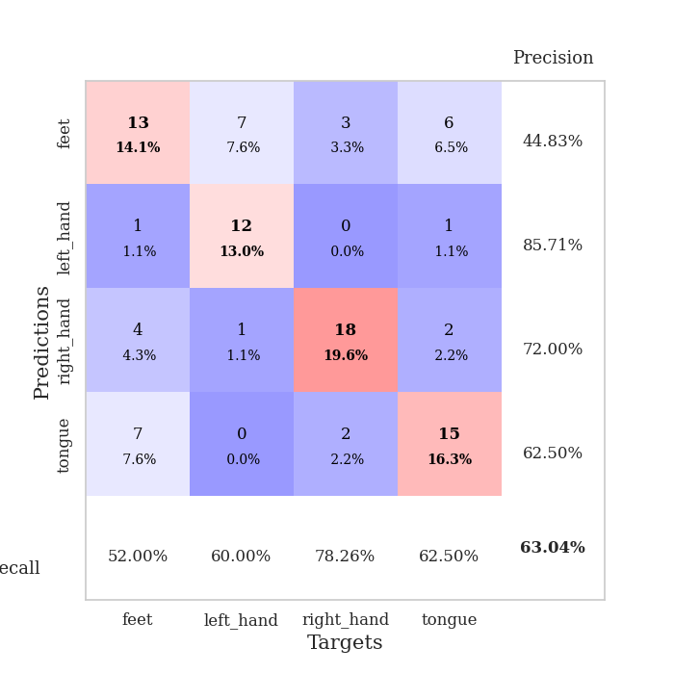
train_loss | valid_loss | train_accuracy | valid_accuracy | dur | train_misclass | valid_misclass
1.8325310997 | 9.6312954529 | 0.25 | 0.25 | 1.1538901329 | 25 | 25
1.4532073114 | 1.9825993465 | 0.32608695652 | 0.34782608696 | 1.1496145725 | 32.608695652 | 34.782608696
1.3137655776 | 1.4631905711 | 0.32065217391 | 0.3152173913 | 1.1487493515 | 32.065217391 | 31.52173913
1.2888671212 | 1.294926208 | 0.45923913043 | 0.45652173913 | 1.1498117447 | 45.923913043 | 45.652173913
1.2230426488 | 1.6542187307 | 0.33152173913 | 0.33695652174 | 1.1490929127 | 33.152173913 | 33.695652174
1.1808341586 | 2.3193567317 | 0.30706521739 | 0.3152173913 | 1.1497919559 | 30.706521739 | 31.52173913
0.99013288902 | 1.1688154547 | 0.61141304348 | 0.53260869565 | 1.1550378799 | 61.141304348 | 53.260869565
0.89861094692 | 1.1631244188 | 0.67663043478 | 0.54347826087 | 1.1496629715 | 67.663043478 | 54.347826087
0.86728534491 | 1.3374338616 | 0.58423913043 | 0.47826086957 | 1.1493225098 | 58.423913043 | 47.826086957
0.75858730855 | 2.1199096389 | 0.52173913043 | 0.40217391304 | 1.1496753693 | 52.173913043 | 40.217391304
0.62114920953 | 3.2724251436 | 0.52173913043 | 0.35869565217 | 1.150046587 | 52.173913043 | 35.869565217
0.63864781481 | 2.5812548036 | 0.40217391304 | 0.30434782609 | 1.1491012573 | 40.217391304 | 30.434782609
0.575254152 | 3.4641375749 | 0.51358695652 | 0.39130434783 | 1.1498305798 | 51.358695652 | 39.130434783
0.59339513856 | 2.5599771064 | 0.28804347826 | 0.30434782609 | 1.1492831707 | 28.804347826 | 30.434782609
0.41185208702 | 2.9931771548 | 0.55163043478 | 0.48913043478 | 1.1495902538 | 55.163043478 | 48.913043478
0.42517627387 | 2.0960226629 | 0.76630434783 | 0.47826086957 | 1.1504638195 | 76.630434783 | 47.826086957
0.36055184188 | 2.3195314615 | 0.67391304348 | 0.52173913043 | 1.1495566368 | 67.391304348 | 52.173913043
0.31794506182 | 1.7521398275 | 0.85869565217 | 0.48913043478 | 1.1504516602 | 85.869565217 | 48.913043478
0.23637236363 | 4.03768669 | 0.5027173913 | 0.48913043478 | 1.1493825912 | 50.27173913 | 48.913043478
0.24624700682 | 4.7368814842 | 0.5027173913 | 0.42391304348 | 1.149848938 | 50.27173913 | 42.391304348
0.1553015517 | 3.0154123721 | 0.72826086957 | 0.39130434783 | 1.149699688 | 72.826086957 | 39.130434783
0.18159721994 | 2.9516442859 | 0.86956521739 | 0.42391304348 | 1.1496152878 | 86.956521739 | 42.391304348
0.19617720766 | 2.0203751999 | 0.9402173913 | 0.42391304348 | 1.1496481895 | 94.02173913 | 42.391304348
0.099946551106 | 2.4697285009 | 0.8777173913 | 0.58695652174 | 1.1505274773 | 87.77173913 | 58.695652174
0.070630997379 | 2.498785558 | 0.90489130435 | 0.41304347826 | 1.1723647118 | 90.489130435 | 41.304347826
0.055377789328 | 3.1616538919 | 0.92119565217 | 0.54347826087 | 1.1740145683 | 92.119565217 | 54.347826087
0.08650902027 | 5.5799551839 | 0.70923913043 | 0.42391304348 | 1.1755070686 | 70.923913043 | 42.391304348
0.082777651148 | 2.3935197333 | 0.89673913043 | 0.51086956522 | 1.1726253033 | 89.673913043 | 51.086956522
0.13678262134 | 3.3532440766 | 0.83967391304 | 0.55434782609 | 1.177028656 | 83.967391304 | 55.434782609
0.051500949624 | 1.6361505104 | 0.9972826087 | 0.63043478261 | 1.1728861332 | 99.72826087 | 63.043478261
0.068826659512 | 2.6553840119 | 0.96739130435 | 0.48913043478 | 1.1692917347 | 96.739130435 | 48.913043478
0.036906842061 | 2.067690445 | 1 | 0.55434782609 | 1.1534321308 | 100 | 55.434782609
0.023319212517 | 2.2966451023 | 1 | 0.55434782609 | 1.1498186588 | 100 | 55.434782609
0.02017549458 | 2.19209189 | 1 | 0.51086956522 | 1.150427103 | 100 | 51.086956522
0.00989640042 | 1.8326034442 | 1 | 0.55434782609 | 1.1511702538 | 100 | 55.434782609
0.0029308071851 | 1.7678650047 | 1 | 0.5652173913 | 1.1504762173 | 100 | 56.52173913
0.013023971365 | 2.0875533975 | 1 | 0.58695652174 | 1.1507997513 | 100 | 58.695652174
0.023676243006 | 2.5100584756 | 0.9972826087 | 0.51086956522 | 1.1508340836 | 99.72826087 | 51.086956522
0.0062992255388 | 1.8560124791 | 1 | 0.60869565217 | 1.1512024403 | 100 | 60.869565217
0.0042010642343 | 1.938373659 | 1 | 0.58695652174 | 1.1506807804 | 100 | 58.695652174
0.0038553176058 | 1.9411027224 | 1 | 0.58695652174 | 1.1508116722 | 100 | 58.695652174
0.0039567370449 | 1.9130693519 | 1 | 0.59782608696 | 1.1505737305 | 100 | 59.782608696
0.0045071144376 | 1.9160282716 | 1 | 0.58695652174 | 1.1508135796 | 100 | 58.695652174
0.0056415215273 | 1.8410382789 | 1 | 0.58695652174 | 1.1509728432 | 100 | 58.695652174
0.0062782644742 | 1.9005047135 | 1 | 0.59782608696 | 1.1514296532 | 100 | 59.782608696
0.0020445318521 | 1.8919087597 | 1 | 0.60869565217 | 1.151216507 | 100 | 60.869565217
0.0074244710862 | 1.9556849936 | 1 | 0.57608695652 | 1.1514399052 | 100 | 57.608695652
0.0026781648605 | 1.8543476229 | 1 | 0.60869565217 | 1.1523828506 | 100 | 60.869565217
0.0090860780759 | 1.8804288221 | 1 | 0.60869565217 | 1.1545057297 | 100 | 60.869565217
0.0034477994284 | 1.8895539615 | 1 | 0.60869565217 | 1.1516373158 | 100 | 60.869565217

Best Val accuracy is 0.6304347826086957 and Best test accuracy is 0.49137931034482757

Sheet5
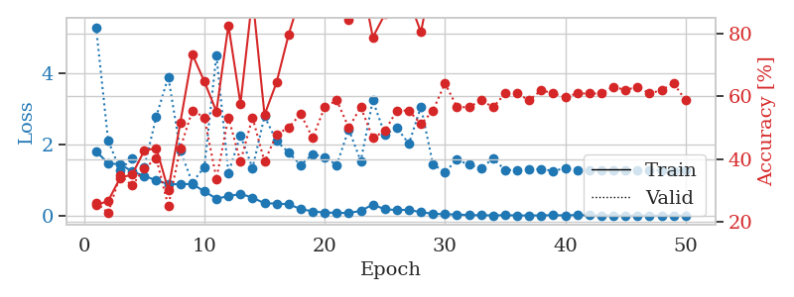
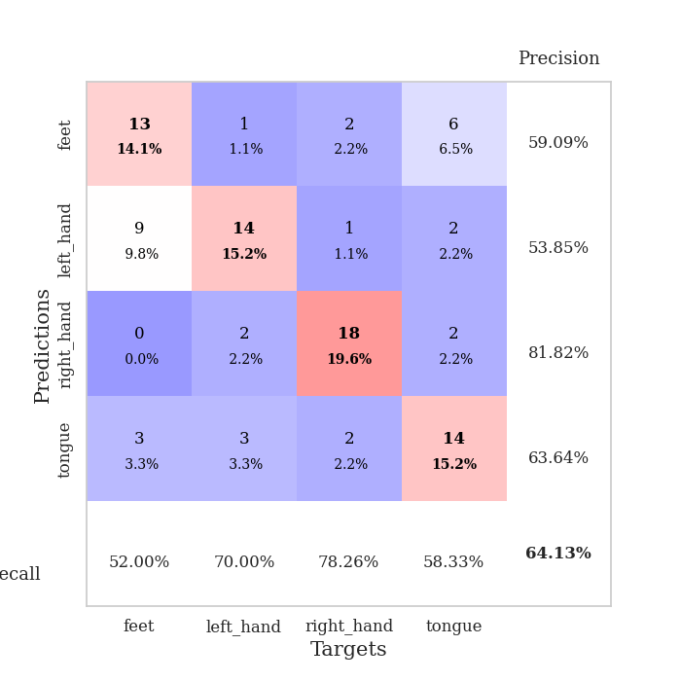
train_loss | valid_loss | train_accuracy | valid_accuracy | dur | train_misclass | valid_misclass
1.8068707819 | 5.2745198996 | 0.2527173913 | 0.26086956522 | 1.1490674019 | 25.27173913 | 26.086956522
1.4639521008 | 2.1089849161 | 0.26630434783 | 0.22826086957 | 1.1478188038 | 26.630434783 | 22.826086957
1.4391349036 | 1.2749286786 | 0.33967391304 | 0.34782608696 | 1.1493215561 | 33.967391304 | 34.782608696
1.2382647499 | 1.617337004 | 0.35054347826 | 0.3152173913 | 1.1492402554 | 35.054347826 | 31.52173913
1.1125586085 | 1.3533957108 | 0.42663043478 | 0.36956521739 | 1.1496789455 | 42.663043478 | 36.956521739
0.99122237382 | 2.7715443891 | 0.4347826087 | 0.40217391304 | 1.1497950554 | 43.47826087 | 40.217391304
0.88395697915 | 3.8858696274 | 0.30163043478 | 0.25 | 1.1478848457 | 30.163043478 | 25
0.88059284894 | 1.8225599787 | 0.51630434783 | 0.4347826087 | 1.1495006084 | 51.630434783 | 43.47826087
0.88857343663 | 0.92244980646 | 0.73369565217 | 0.55434782609 | 1.1488006115 | 73.369565217 | 55.434782609
0.67831587144 | 1.3664188748 | 0.64673913043 | 0.53260869565 | 1.1479787827 | 64.673913043 | 53.260869565
0.48025433395 | 4.4925103913 | 0.55163043478 | 0.33695652174 | 1.1506793499 | 55.163043478 | 33.695652174
0.54326541139 | 1.1929541774 | 0.82608695652 | 0.53260869565 | 1.1500504017 | 82.608695652 | 53.260869565
0.61112393698 | 2.2496877235 | 0.57608695652 | 0.39130434783 | 1.149518013 | 57.608695652 | 39.130434783
0.50733074805 | 1.3304064637 | 0.91847826087 | 0.53260869565 | 1.1493973732 | 91.847826087 | 53.260869565
0.34685011726 | 2.782439491 | 0.54076086957 | 0.39130434783 | 1.1491312981 | 54.076086957 | 39.130434783
0.34129617525 | 2.0900466442 | 0.64402173913 | 0.47826086957 | 1.1496784687 | 64.402173913 | 47.826086957
0.31984702951 | 1.7694678203 | 0.79619565217 | 0.5 | 1.1495323181 | 79.619565217 | 50
0.18957603593 | 1.4136624129 | 0.92119565217 | 0.54347826087 | 1.1493139267 | 92.119565217 | 54.347826087
0.12073671186 | 1.7243197794 | 0.91576086957 | 0.46739130435 | 1.1497223377 | 91.576086957 | 46.739130435
0.089879817694 | 1.636570578 | 0.95108695652 | 0.5652173913 | 1.1496608257 | 95.108695652 | 56.52173913
0.080510656633 | 1.4205553221 | 0.97554347826 | 0.58695652174 | 1.1509926319 | 97.554347826 | 58.695652174
0.076756543763 | 2.4186071106 | 0.84239130435 | 0.5 | 1.1497490406 | 84.239130435 | 50
0.13429540612 | 1.5260864341 | 0.98641304348 | 0.5652173913 | 1.150302887 | 98.641304348 | 56.52173913
0.31370331315 | 3.226792377 | 0.78804347826 | 0.46739130435 | 1.1500897408 | 78.804347826 | 46.739130435
0.17886534528 | 2.2777716699 | 0.86141304348 | 0.48913043478 | 1.150457859 | 86.141304348 | 48.913043478
0.16084030384 | 2.455316471 | 0.89945652174 | 0.55434782609 | 1.1501121521 | 89.945652174 | 55.434782609
0.16441069325 | 2.0139510113 | 0.90760869565 | 0.55434782609 | 1.1507415771 | 90.760869565 | 55.434782609
0.096911405537 | 3.0505919353 | 0.80434782609 | 0.51086956522 | 1.149810791 | 80.434782609 | 51.086956522
0.056910783336 | 1.4350736815 | 1 | 0.55434782609 | 1.1498191357 | 100 | 55.434782609
0.040027449434 | 1.2232338035 | 1 | 0.64130434783 | 1.1500914097 | 100 | 64.130434783
0.033528861772 | 1.5677218645 | 0.9972826087 | 0.5652173913 | 1.1497380733 | 99.72826087 | 56.52173913
0.016991393722 | 1.4249755973 | 1 | 0.5652173913 | 1.1494448185 | 100 | 56.52173913
0.015026311836 | 1.3382867367 | 1 | 0.58695652174 | 1.15067029 | 100 | 58.695652174
0.0094044084595 | 1.5933128751 | 1 | 0.5652173913 | 1.1492967606 | 100 | 56.52173913
0.016118334485 | 1.283724847 | 1 | 0.60869565217 | 1.1506540775 | 100 | 60.869565217
0.0087353923819 | 1.2724908279 | 1 | 0.60869565217 | 1.15051651 | 100 | 60.869565217
0.0050673444006 | 1.3014155937 | 1 | 0.58695652174 | 1.1499819756 | 100 | 58.695652174
0.0099378770405 | 1.2986328239 | 1 | 0.61956521739 | 1.1502709389 | 100 | 61.956521739
0.016940917764 | 1.2568594736 | 1 | 0.60869565217 | 1.1514077187 | 100 | 60.869565217
0.0078943552242 | 1.3254478289 | 1 | 0.59782608696 | 1.1507384777 | 100 | 59.782608696
0.022533429384 | 1.2842470511 | 1 | 0.60869565217 | 1.1507134438 | 100 | 60.869565217
0.010908213391 | 1.2720491471 | 1 | 0.60869565217 | 1.151317358 | 100 | 60.869565217
0.0098312297968 | 1.2723624343 | 1 | 0.60869565217 | 1.1510448456 | 100 | 60.869565217
0.0068776933147 | 1.2626265495 | 1 | 0.63043478261 | 1.1511781216 | 100 | 63.043478261
0.0066010863925 | 1.2575114343 | 1 | 0.61956521739 | 1.1513259411 | 100 | 61.956521739
0.0039656546749 | 1.2628748676 | 1 | 0.63043478261 | 1.1506359577 | 100 | 63.043478261
0.0060261226722 | 1.2717044043 | 1 | 0.60869565217 | 1.1516802311 | 100 | 60.869565217
0.0060140040308 | 1.2692121889 | 1 | 0.61956521739 | 1.1509811878 | 100 | 61.956521739
0.0080744900877 | 1.2567974277 | 1 | 0.64130434783 | 1.1513156891 | 100 | 64.130434783
0.0039760127281 | 1.2841759505 | 1 | 0.58695652174 | 1.1504688263 | 100 | 58.695652174

Best Val accuracy is 0.6413043478260869 and Best test accuracy is 0.5689655172413793

Sheet6
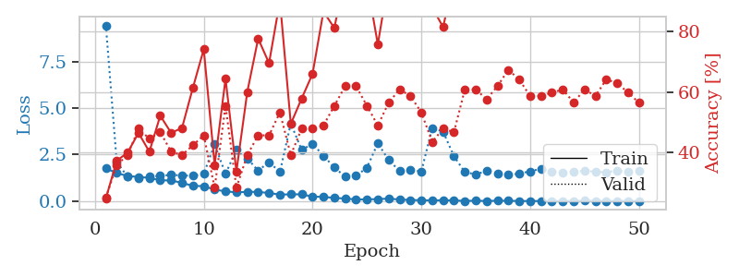
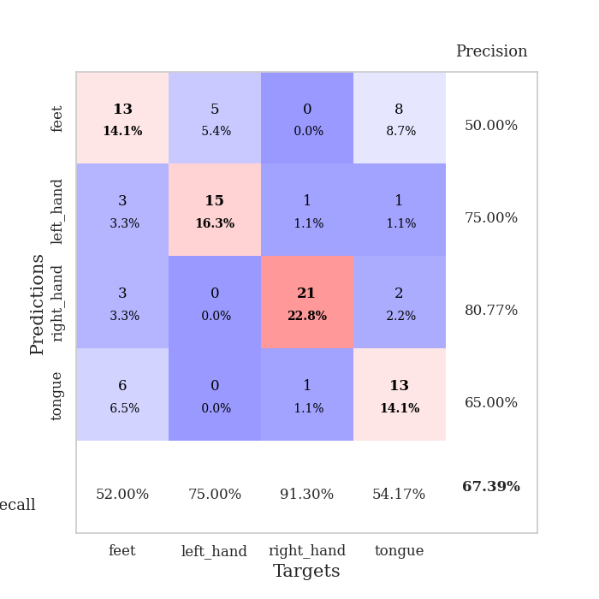
train_loss | valid_loss | train_accuracy | valid_accuracy | dur | train_misclass | valid_misclass
1.7576434198 | 9.4324649728 | 0.2472826087 | 0.25 | 1.1512260437 | 24.72826087 | 25
1.5107827394 | 2.0927018083 | 0.3722826087 | 0.35869565217 | 1.1474778652 | 37.22826087 | 35.869565217
1.3474816343 | 1.3101110873 | 0.39945652174 | 0.39130434783 | 1.147236824 | 39.945652174 | 39.130434783
1.3012067961 | 1.2087770389 | 0.46467391304 | 0.47826086957 | 1.1466574669 | 46.467391304 | 47.826086957
1.246972167 | 1.3095602937 | 0.40217391304 | 0.44565217391 | 1.1461479664 | 40.217391304 | 44.565217391
1.120751285 | 1.3595804494 | 0.52173913043 | 0.46739130435 | 1.1499996185 | 52.173913043 | 46.739130435
1.1067979699 | 1.4074573621 | 0.46467391304 | 0.40217391304 | 1.1504914761 | 46.467391304 | 40.217391304
0.98583925548 | 1.3801990333 | 0.48097826087 | 0.39130434783 | 1.1497468948 | 48.097826087 | 39.130434783
0.81385203289 | 1.3566224627 | 0.61413043478 | 0.42391304348 | 1.1506390572 | 61.413043478 | 42.391304348
0.80859519606 | 1.4661799773 | 0.74184782609 | 0.45652173913 | 1.1493546963 | 74.184782609 | 45.652173913
0.61581843573 | 3.0485553327 | 0.35869565217 | 0.28260869565 | 1.149040699 | 35.869565217 | 28.260869565
0.5276505688 | 1.4594378523 | 0.64402173913 | 0.55434782609 | 1.1516349316 | 64.402173913 | 55.434782609
0.46907469047 | 2.754148815 | 0.33695652174 | 0.28260869565 | 1.1500871181 | 33.695652174 | 28.260869565
0.50043879061 | 2.2956231366 | 0.60054347826 | 0.39130434783 | 1.1506597996 | 60.054347826 | 39.130434783
0.4929069015 | 1.6337363513 | 0.77717391304 | 0.45652173913 | 1.1505584717 | 77.717391304 | 45.652173913
0.43695888895 | 2.0963370074 | 0.69565217391 | 0.45652173913 | 1.1489460468 | 69.565217391 | 45.652173913
0.35236143094 | 1.5622390146 | 0.90217391304 | 0.53260869565 | 1.1500115395 | 90.217391304 | 53.260869565
0.36342638925 | 4.1727305288 | 0.49456521739 | 0.39130434783 | 1.1497690678 | 49.456521739 | 39.130434783
0.36534137149 | 2.7459703114 | 0.57880434783 | 0.47826086957 | 1.149736166 | 57.880434783 | 47.826086957
0.24120965438 | 3.0796258553 | 0.66032608696 | 0.47826086957 | 1.149941206 | 66.032608696 | 47.826086957
0.22879129162 | 2.4418471378 | 0.86684782609 | 0.48913043478 | 1.149872303 | 86.684782609 | 48.913043478
0.1748235284 | 1.8036921854 | 0.8125 | 0.55434782609 | 1.1509766579 | 81.25 | 55.434782609
0.13777528148 | 1.3171013542 | 0.98641304348 | 0.61956521739 | 1.1506092548 | 98.641304348 | 61.956521739
0.090493975653 | 1.3548044225 | 0.9972826087 | 0.61956521739 | 1.149166584 | 99.72826087 | 61.956521739
0.092994669817 | 1.7991595372 | 0.96467391304 | 0.55434782609 | 1.1499471664 | 96.467391304 | 55.434782609
0.1092185898 | 3.1038984527 | 0.75815217391 | 0.48913043478 | 1.1502859592 | 75.815217391 | 48.913043478
0.13411090778 | 2.2052931682 | 0.97554347826 | 0.5652173913 | 1.1501524448 | 97.554347826 | 56.52173913
0.087464037857 | 1.6190580389 | 0.99456521739 | 0.60869565217 | 1.1504442692 | 99.456521739 | 60.869565217
0.059994372317 | 1.6810151701 | 0.98097826087 | 0.58695652174 | 1.1504178047 | 98.097826087 | 58.695652174
0.04871776862 | 1.5888990838 | 0.9972826087 | 0.53260869565 | 1.1507143974 | 99.72826087 | 53.260869565
0.038878971114 | 3.9268633801 | 0.88043478261 | 0.4347826087 | 1.1507444382 | 88.043478261 | 43.47826087
0.048877191092 | 3.7310677611 | 0.8152173913 | 0.47826086957 | 1.1510760784 | 81.52173913 | 47.826086957
0.035807434237 | 2.4026485733 | 0.97826086957 | 0.46739130435 | 1.1511013508 | 97.826086957 | 46.739130435
0.012954990881 | 1.5597920107 | 1 | 0.60869565217 | 1.1501684189 | 100 | 60.869565217
0.023262362325 | 1.4350658396 | 1 | 0.60869565217 | 1.1525304317 | 100 | 60.869565217
0.0086850773811 | 1.6259955634 | 1 | 0.57608695652 | 1.1510288715 | 100 | 57.608695652
0.023090382744 | 1.4983017237 | 1 | 0.61956521739 | 1.151586771 | 100 | 61.956521739
0.019148459476 | 1.4065916694 | 1 | 0.67391304348 | 1.1509127617 | 100 | 67.391304348
0.0076814645233 | 1.4754850087 | 1 | 0.64130434783 | 1.151194334 | 100 | 64.130434783
0.0058227602301 | 1.6018079571 | 1 | 0.58695652174 | 1.1502170563 | 100 | 58.695652174
0.0065992440973 | 1.7339198589 | 1 | 0.58695652174 | 1.1525034904 | 100 | 58.695652174
0.0075639889414 | 1.5610817826 | 1 | 0.59782608696 | 1.1511287689 | 100 | 59.782608696
0.0044293829693 | 1.5388966332 | 1 | 0.60869565217 | 1.1522052288 | 100 | 60.869565217
0.013050208128 | 1.5952310251 | 1 | 0.5652173913 | 1.1519145966 | 100 | 56.52173913
0.023186693087 | 1.6193100888 | 1 | 0.60869565217 | 1.151102066 | 100 | 60.869565217
0.0122684089 | 1.5823955329 | 1 | 0.58695652174 | 1.1518039703 | 100 | 58.695652174
0.0067486905964 | 1.547484543 | 1 | 0.64130434783 | 1.1507279873 | 100 | 64.130434783
0.0088398869089 | 1.6495273113 | 1 | 0.63043478261 | 1.1510851383 | 100 | 63.043478261
0.0095163692047 | 1.5701370758 | 1 | 0.59782608696 | 1.1520476341 | 100 | 59.782608696
0.0048791887239 | 1.619546714 | 1 | 0.5652173913 | 1.1517152786 | 100 | 56.52173913

Best Val accuracy is 0.6739130434782609 and Best test accuracy is 0.6206896551724138

Sheet7
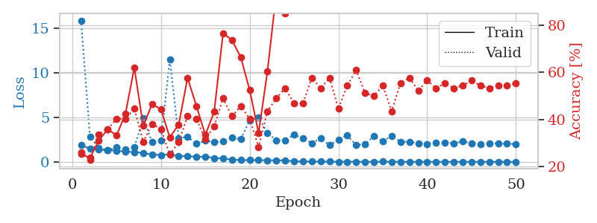
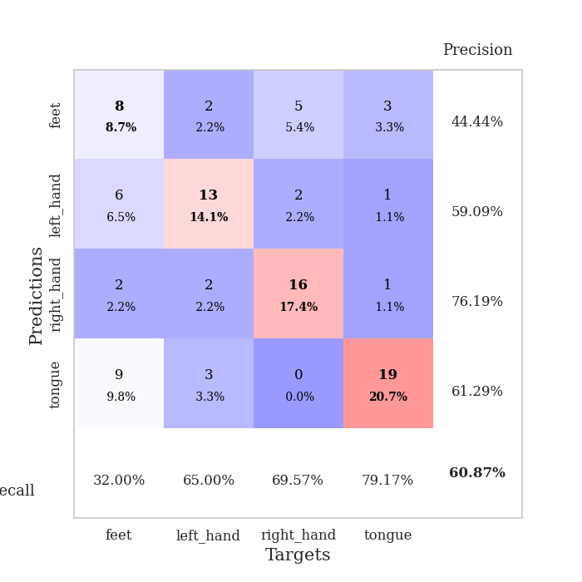
train_loss | valid_loss | train_accuracy | valid_accuracy | dur | train_misclass | valid_misclass
1.9275012638 | 15.909174712 | 0.2527173913 | 0.26086956522 | 1.1523079872 | 25.27173913 | 26.086956522
1.4693791814 | 2.842883846 | 0.23641304348 | 0.22826086957 | 1.1479606628 | 23.641304348 | 22.826086957
1.3776613059 | 1.537876067 | 0.3097826087 | 0.33695652174 | 1.1502161026 | 30.97826087 | 33.695652174
1.3173713632 | 1.3191177327 | 0.35869565217 | 0.35869565217 | 1.1485888958 | 35.869565217 | 35.869565217
1.2615346338 | 1.6184929765 | 0.33152173913 | 0.40217391304 | 1.1497559547 | 33.152173913 | 40.217391304
1.1579213868 | 1.4306840015 | 0.42391304348 | 0.40217391304 | 1.1494672298 | 42.391304348 | 40.217391304
1.0936454068 | 1.6179997455 | 0.61956521739 | 0.44565217391 | 1.1490409374 | 61.956521739 | 44.565217391
1.0060679576 | 4.9045458566 | 0.3722826087 | 0.30434782609 | 1.1513528824 | 37.22826087 | 30.434782609
0.82295643247 | 2.2149349088 | 0.46467391304 | 0.38043478261 | 1.1497027874 | 46.467391304 | 38.043478261
0.7712780898 | 2.3988613149 | 0.44293478261 | 0.35869565217 | 1.1489963531 | 44.293478261 | 35.869565217
0.86203402929 | 11.557873062 | 0.32336956522 | 0.25 | 1.1495518684 | 32.336956522 | 25
0.64069292532 | 2.6713180542 | 0.3777173913 | 0.30434782609 | 1.1499085426 | 37.77173913 | 30.434782609
0.65574188466 | 2.8240250556 | 0.57608695652 | 0.41304347826 | 1.1504480839 | 57.608695652 | 41.304347826
0.56391262101 | 2.0471377891 | 0.45652173913 | 0.40217391304 | 1.1495888233 | 45.652173913 | 40.217391304
0.5974593629 | 2.3842944373 | 0.33423913043 | 0.3152173913 | 1.1500732899 | 33.423913043 | 31.52173913
0.44016350482 | 2.2278988361 | 0.43206521739 | 0.36956521739 | 1.1503694057 | 43.206521739 | 36.956521739
0.36652292311 | 2.3066920664 | 0.76630434783 | 0.48913043478 | 1.1507003307 | 76.630434783 | 48.913043478
0.25607785647 | 2.7014126363 | 0.73641304348 | 0.41304347826 | 1.1514527798 | 73.641304348 | 41.304347826
0.2019972798 | 2.5579359635 | 0.66304347826 | 0.45652173913 | 1.1495907307 | 66.304347826 | 45.652173913
0.19260230596 | 4.6875508143 | 0.52445652174 | 0.40217391304 | 1.1498320103 | 52.445652174 | 40.217391304
0.19215937833 | 4.9802115067 | 0.34239130435 | 0.28260869565 | 1.1500058174 | 34.239130435 | 28.260869565
0.17846943422 | 3.2649370069 | 0.60326086957 | 0.4347826087 | 1.1497373581 | 60.326086957 | 43.47826087
0.17418665625 | 2.4169648678 | 0.9375 | 0.48913043478 | 1.1501071453 | 93.75 | 48.913043478
0.17031578805 | 2.4314883274 | 0.85054347826 | 0.53260869565 | 1.1504611969 | 85.054347826 | 53.260869565
0.069498790873 | 3.0612182514 | 0.8722826087 | 0.46739130435 | 1.1511623859 | 87.22826087 | 46.739130435
0.039220404204 | 2.6463975181 | 0.96739130435 | 0.46739130435 | 1.1504671574 | 96.739130435 | 46.739130435
0.030864371493 | 2.1025909704 | 1 | 0.57608695652 | 1.1512429714 | 100 | 57.608695652
0.033614869219 | 2.6452069179 | 0.95923913043 | 0.53260869565 | 1.1518023014 | 95.923913043 | 53.260869565
0.023727231922 | 1.8864084586 | 1 | 0.57608695652 | 1.149512291 | 100 | 57.608695652
0.022523130898 | 2.5120892628 | 0.99184782609 | 0.44565217391 | 1.1504249573 | 99.184782609 | 44.565217391
0.017579556291 | 2.9934559439 | 0.99184782609 | 0.54347826087 | 1.1504240036 | 99.184782609 | 54.347826087
0.017094279973 | 1.8712509974 | 1 | 0.60869565217 | 1.1512289047 | 100 | 60.869565217
0.010179500409 | 2.0143804965 | 1 | 0.51086956522 | 1.150028944 | 100 | 51.086956522
0.020068307865 | 2.8968621959 | 0.89945652174 | 0.5 | 1.149698019 | 89.945652174 | 50
0.024330766639 | 2.2972930411 | 1 | 0.54347826087 | 1.1504368782 | 100 | 54.347826087
0.0158603337 | 2.9161077582 | 0.98097826087 | 0.4347826087 | 1.150349617 | 98.097826087 | 43.47826087
0.0090145671123 | 2.2401538724 | 1 | 0.55434782609 | 1.1500561237 | 100 | 55.434782609
0.0062783106164 | 2.2780961161 | 1 | 0.57608695652 | 1.1512827873 | 100 | 57.608695652
0.0085394201932 | 2.07163337 | 1 | 0.52173913043 | 1.150929451 | 100 | 52.173913043
0.0047581306502 | 2.0082956915 | 1 | 0.5652173913 | 1.1509449482 | 100 | 56.52173913
0.0072289444051 | 2.158793014 | 1 | 0.53260869565 | 1.1509461403 | 100 | 53.260869565
0.0046698567989 | 2.1529425227 | 1 | 0.55434782609 | 1.1513957977 | 100 | 55.434782609
0.004863241795 | 2.0975260424 | 1 | 0.53260869565 | 1.1515703201 | 100 | 53.260869565
0.018394368941 | 2.2828441392 | 1 | 0.54347826087 | 1.1519160271 | 100 | 54.347826087
0.0039059247432 | 2.0968474927 | 1 | 0.5652173913 | 1.1510848999 | 100 | 56.52173913
0.0055432258574 | 1.9987498677 | 1 | 0.54347826087 | 1.1522521973 | 100 | 54.347826087
0.0091833440516 | 2.0719733653 | 1 | 0.53260869565 | 1.1510968208 | 100 | 53.260869565
0.0087762118251 | 2.0857711564 | 1 | 0.54347826087 | 1.1517062187 | 100 | 54.347826087
0.0074797324905 | 2.0363166125 | 1 | 0.54347826087 | 1.1513090134 | 100 | 54.347826087
0.0028642391971 | 2.002995263 | 1 | 0.55434782609 | 1.1517739296 | 100 | 55.434782609

Best Val accuracy is 0.6086956521739131 and Best test accuracy is 0.5862068965517241

Sheet8
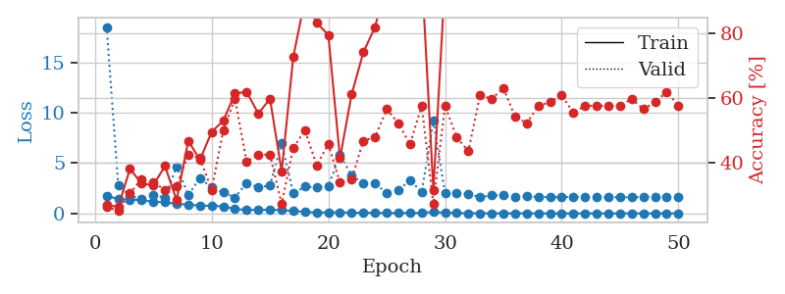
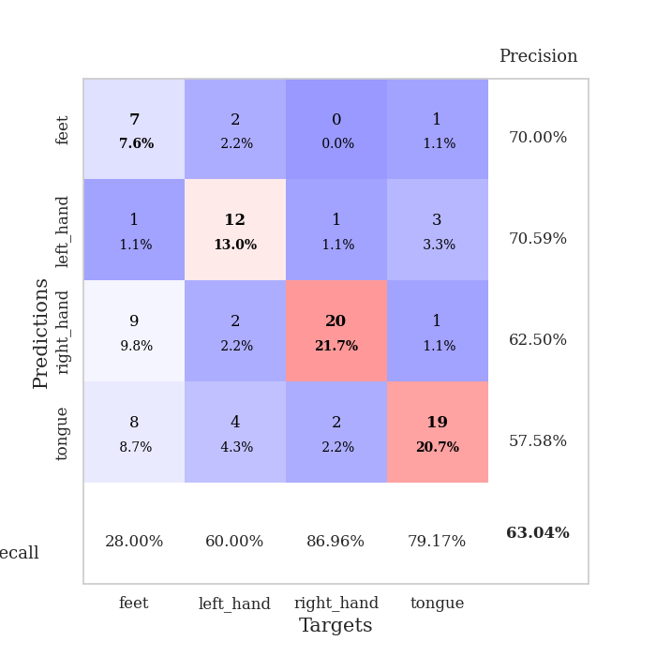
train_loss | valid_loss | train_accuracy | valid_accuracy | dur | train_misclass | valid_misclass
1.7456862616 | 18.539619529 | 0.26902173913 | 0.26086956522 | 1.151227951 | 26.902173913 | 26.086956522
1.4305857005 | 2.7952661514 | 0.26086956522 | 0.25 | 1.1494877338 | 26.086956522 | 25
1.3616835656 | 1.754534597 | 0.38043478261 | 0.30434782609 | 1.1502654552 | 38.043478261 | 30.434782609
1.3241262851 | 1.4260276349 | 0.33423913043 | 0.34782608696 | 1.1489467621 | 33.423913043 | 34.782608696
1.170422694 | 1.8523204378 | 0.32880434783 | 0.33695652174 | 1.1493141651 | 32.880434783 | 33.695652174
1.1120880013 | 1.5648847404 | 0.38858695652 | 0.3152173913 | 1.1511664391 | 38.858695652 | 31.52173913
0.94513340618 | 4.6853282141 | 0.28260869565 | 0.32608695652 | 1.1492557526 | 28.260869565 | 32.608695652
0.8885966669 | 1.8357810404 | 0.46739130435 | 0.42391304348 | 1.1497297287 | 46.739130435 | 42.391304348
0.77642325344 | 3.5219905687 | 0.40760869565 | 0.41304347826 | 1.149746418 | 40.760869565 | 41.304347826
0.75213102932 | 2.5731765757 | 0.49456521739 | 0.3152173913 | 1.1489341259 | 49.456521739 | 31.52173913
0.70204242286 | 2.0842798534 | 0.52989130435 | 0.5 | 1.1499781609 | 52.989130435 | 50
0.43174613235 | 1.5816571764 | 0.61413043478 | 0.59782608696 | 1.1517305374 | 61.413043478 | 59.782608696
0.35100310458 | 3.0342908839 | 0.61956521739 | 0.40217391304 | 1.1506137848 | 61.956521739 | 40.217391304
0.34969721864 | 2.5837486516 | 0.55163043478 | 0.42391304348 | 1.1498408318 | 55.163043478 | 42.391304348
0.36928825534 | 2.7765102386 | 0.59782608696 | 0.42391304348 | 1.1498570442 | 59.782608696 | 42.391304348
0.322510879 | 6.9712786674 | 0.3722826087 | 0.27173913043 | 1.1492004395 | 37.22826087 | 27.173913043
0.24729219047 | 1.9986532045 | 0.72826086957 | 0.44565217391 | 1.1503715515 | 72.826086957 | 44.565217391
0.14966652607 | 2.6618779535 | 0.90760869565 | 0.5 | 1.1499869823 | 90.760869565 | 50
0.092698533938 | 2.5931315007 | 0.83423913043 | 0.39130434783 | 1.1501703262 | 83.423913043 | 39.130434783
0.10236427135 | 2.7015771918 | 0.79619565217 | 0.45652173913 | 1.1504583359 | 79.619565217 | 45.652173913
0.11236615714 | 5.7924679259 | 0.41304347826 | 0.33695652174 | 1.1504273415 | 41.304347826 | 33.695652174
0.070998315203 | 3.7736960079 | 0.61141304348 | 0.34782608696 | 1.1511621475 | 61.141304348 | 34.782608696
0.057879898166 | 2.9980259045 | 0.74184782609 | 0.46739130435 | 1.1505863667 | 74.184782609 | 46.739130435
0.056449025576 | 2.9745068135 | 0.82065217391 | 0.47826086957 | 1.1519088745 | 82.065217391 | 47.826086957
0.030683333014 | 2.0322379496 | 0.96195652174 | 0.5652173913 | 1.1503162384 | 96.195652174 | 56.52173913
0.035712713315 | 2.2702487396 | 0.98369565217 | 0.52173913043 | 1.1509747505 | 98.369565217 | 52.173913043
0.043124795841 | 3.3211312709 | 0.94293478261 | 0.45652173913 | 1.150272131 | 94.293478261 | 45.652173913
0.043653375272 | 2.1234966413 | 0.99456521739 | 0.57608695652 | 1.150537014 | 99.456521739 | 57.608695652
0.15030599704 | 9.1870563341 | 0.3152173913 | 0.27173913043 | 1.1507880688 | 31.52173913 | 27.173913043
0.068290436843 | 2.0058245503 | 0.96467391304 | 0.57608695652 | 1.1507241726 | 96.467391304 | 57.608695652
0.030194691716 | 2.0115094133 | 0.9375 | 0.47826086957 | 1.1513521671 | 93.75 | 47.826086957
0.021908841534 | 1.9372142968 | 0.9972826087 | 0.4347826087 | 1.1511526108 | 99.72826087 | 43.47826087
0.01476490328 | 1.6039973135 | 1 | 0.60869565217 | 1.1517670155 | 100 | 60.869565217
0.012777294032 | 1.7958410719 | 1 | 0.59782608696 | 1.1505289078 | 100 | 59.782608696
0.011662818322 | 1.7818989339 | 1 | 0.63043478261 | 1.1505632401 | 100 | 63.043478261
0.0078697556708 | 1.5922930552 | 1 | 0.54347826087 | 1.1502313614 | 100 | 54.347826087
0.018588499031 | 1.6958321696 | 1 | 0.52173913043 | 1.1506204605 | 100 | 52.173913043
0.0051463096119 | 1.632455831 | 1 | 0.57608695652 | 1.1505286694 | 100 | 57.608695652
0.0045001762179 | 1.6340997945 | 1 | 0.58695652174 | 1.1510269642 | 100 | 58.695652174
0.0040590566856 | 1.6094971688 | 1 | 0.60869565217 | 1.1514267921 | 100 | 60.869565217
0.0030240747551 | 1.6776823168 | 1 | 0.55434782609 | 1.1508295536 | 100 | 55.434782609
0.0042851096963 | 1.6084258245 | 1 | 0.57608695652 | 1.1515891552 | 100 | 57.608695652
0.0084402351349 | 1.6151777817 | 1 | 0.57608695652 | 1.1509261131 | 100 | 57.608695652
0.0022738056495 | 1.6171928852 | 1 | 0.57608695652 | 1.1520957947 | 100 | 57.608695652
0.0054402720872 | 1.5995049062 | 1 | 0.57608695652 | 1.1503708363 | 100 | 57.608695652
0.010399956377 | 1.5996087634 | 1 | 0.59782608696 | 1.1523079872 | 100 | 59.782608696
0.0047264671783 | 1.6319011502 | 1 | 0.5652173913 | 1.1517336369 | 100 | 56.52173913
0.0033551360665 | 1.641535448 | 1 | 0.58695652174 | 1.1510195732 | 100 | 58.695652174
0.0024536848144 | 1.6047518564 | 1 | 0.61956521739 | 1.1512191296 | 100 | 61.956521739
0.0082203804986 | 1.599507762 | 1 | 0.57608695652 | 1.1515009403 | 100 | 57.608695652

Best Val accuracy is 0.6304347826086957 and Best test accuracy is 0.47413793103448276

Sheet9
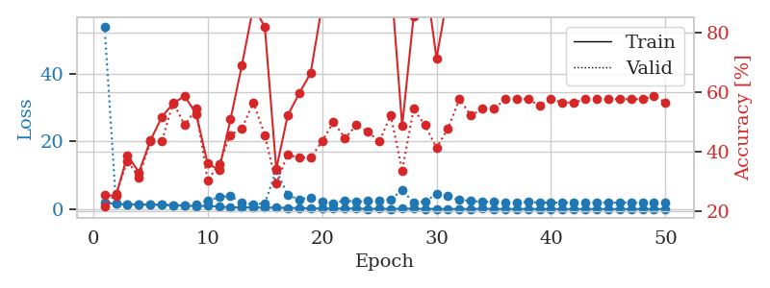
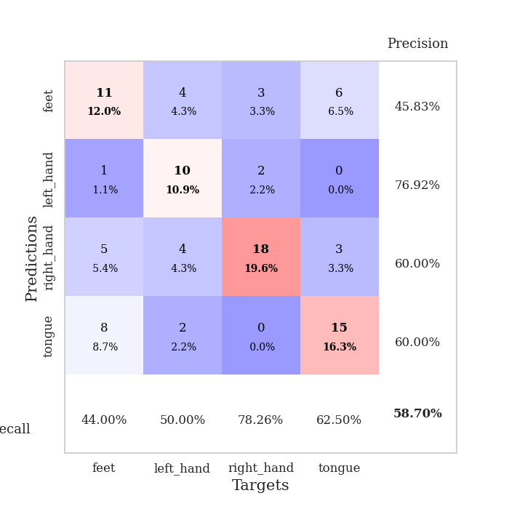
train_loss | valid_loss | train_accuracy | valid_accuracy | dur | train_misclass | valid_misclass
1.911148999 | 54.100562386 | 0.25543478261 | 0.21739130435 | 1.1523320675 | 25.543478261 | 21.739130435
1.5331097789 | 1.6715032536 | 0.2527173913 | 0.26086956522 | 1.1489241123 | 25.27173913 | 26.086956522
1.4023141135 | 1.3987935781 | 0.38858695652 | 0.36956521739 | 1.1501364708 | 38.858695652 | 36.956521739
1.368919839 | 1.3689320969 | 0.33152173913 | 0.3152173913 | 1.1494541168 | 33.152173913 | 31.52173913
1.32472073 | 1.2396745371 | 0.4375 | 0.4347826087 | 1.1492908001 | 43.75 | 43.47826087
1.2602664025 | 1.2641509253 | 0.51630434783 | 0.4347826087 | 1.1495215893 | 51.630434783 | 43.47826087
1.1269595934 | 1.1191043854 | 0.5625 | 0.5652173913 | 1.1499798298 | 56.25 | 56.52173913
1.0292285681 | 1.1412587943 | 0.58695652174 | 0.48913043478 | 1.1512703896 | 58.695652174 | 48.913043478
0.84030717611 | 1.2231728149 | 0.52717391304 | 0.54347826087 | 1.1491618156 | 52.717391304 | 54.347826087
0.94589501878 | 2.5036791822 | 0.36141304348 | 0.30434782609 | 1.1494524479 | 36.141304348 | 30.434782609
0.68630768035 | 3.5211047712 | 0.33967391304 | 0.35869565217 | 1.1494312286 | 33.967391304 | 35.869565217
0.50608681337 | 3.8670210009 | 0.50815217391 | 0.45652173913 | 1.1498644352 | 50.815217391 | 45.652173913
0.48490726106 | 1.913273065 | 0.6902173913 | 0.47826086957 | 1.1498372555 | 69.02173913 | 47.826086957
0.46884922554 | 1.3763073735 | 0.88586956522 | 0.5652173913 | 1.1500914097 | 88.586956522 | 56.52173913
0.45232487276 | 1.666227745 | 0.81793478261 | 0.45652173913 | 1.149553299 | 81.793478261 | 45.652173913
0.41406379187 | 11.540587529 | 0.34239130435 | 0.29347826087 | 1.1514012814 | 34.239130435 | 29.347826087
0.35140223542 | 4.1593773676 | 0.52173913043 | 0.39130434783 | 1.1503889561 | 52.173913043 | 39.130434783
0.29763643508 | 2.8506256808 | 0.59510869565 | 0.38043478261 | 1.1510314941 | 59.510869565 | 38.043478261
0.20245193868 | 3.4782075882 | 0.66304347826 | 0.38043478261 | 1.1508450508 | 66.304347826 | 38.043478261
0.160919527 | 2.3427098005 | 0.88858695652 | 0.4347826087 | 1.1508758068 | 88.858695652 | 43.47826087
0.11295783803 | 1.6950134298 | 0.98641304348 | 0.5 | 1.1505694389 | 98.641304348 | 50
0.15606861809 | 2.595031023 | 0.94565217391 | 0.44565217391 | 1.1509640217 | 94.565217391 | 44.565217391
0.14960158487 | 2.1524582013 | 0.98097826087 | 0.48913043478 | 1.1517829895 | 98.097826087 | 48.913043478
0.053935155596 | 2.3924898894 | 0.92663043478 | 0.46739130435 | 1.1510329247 | 92.663043478 | 46.739130435
0.089457981936 | 2.4232682871 | 0.97554347826 | 0.4347826087 | 1.1508412361 | 97.554347826 | 43.47826087
0.060304467647 | 2.8544394348 | 0.98369565217 | 0.52173913043 | 1.1513974667 | 98.369565217 | 52.173913043
0.10096057881 | 5.575579353 | 0.48641304348 | 0.33695652174 | 1.1504192352 | 48.641304348 | 33.695652174
0.11061197576 | 1.9857303526 | 0.85326086957 | 0.54347826087 | 1.151869297 | 85.326086957 | 54.347826087
0.055433811255 | 2.1751522396 | 0.99456521739 | 0.48913043478 | 1.1513545513 | 99.456521739 | 48.913043478
0.068904756467 | 4.4968849472 | 0.71195652174 | 0.41304347826 | 1.1511762142 | 71.195652174 | 41.304347826
0.029945606042 | 3.8370363712 | 0.92934782609 | 0.47826086957 | 1.1526255608 | 92.934782609 | 47.826086957
0.031752453388 | 2.6825499431 | 0.98097826087 | 0.57608695652 | 1.1513357162 | 98.097826087 | 57.608695652
0.022637083408 | 2.4754373509 | 0.97282608696 | 0.52173913043 | 1.1506683826 | 97.282608696 | 52.173913043
0.072730061841 | 2.0811601618 | 1 | 0.54347826087 | 1.1504685879 | 100 | 54.347826087
0.017098031088 | 2.2605015299 | 1 | 0.54347826087 | 1.1518931389 | 100 | 54.347826087
0.040387041313 | 1.9087915628 | 1 | 0.57608695652 | 1.1508758068 | 100 | 57.608695652
0.0086343979827 | 2.0208621751 | 1 | 0.57608695652 | 1.1522521973 | 100 | 57.608695652
0.013705138613 | 2.0670579516 | 1 | 0.57608695652 | 1.1515686512 | 100 | 57.608695652
0.024854690044 | 1.9561582234 | 1 | 0.55434782609 | 1.1513860226 | 100 | 55.434782609
0.01043907327 | 1.8991912448 | 1 | 0.57608695652 | 1.1517879963 | 100 | 57.608695652
0.0091697084502 | 1.9277577711 | 1 | 0.5652173913 | 1.151945591 | 100 | 56.52173913
0.0039344657587 | 1.8996608879 | 1 | 0.5652173913 | 1.1517517567 | 100 | 56.52173913
0.0033669104552 | 1.9074243774 | 1 | 0.57608695652 | 1.1528332233 | 100 | 57.608695652
0.0034783102418 | 1.9227916572 | 1 | 0.57608695652 | 1.1524019241 | 100 | 57.608695652
0.014084560192 | 1.9331064121 | 1 | 0.57608695652 | 1.1528565884 | 100 | 57.608695652
0.0055235925696 | 1.9152452324 | 1 | 0.57608695652 | 1.1525857449 | 100 | 57.608695652
0.0065302604306 | 1.9183691792 | 1 | 0.57608695652 | 1.1524636745 | 100 | 57.608695652
0.0069456591964 | 1.9056125413 | 1 | 0.57608695652 | 1.1524670124 | 100 | 57.608695652
0.0076246753755 | 1.887499633 | 1 | 0.58695652174 | 1.153087616 | 100 | 58.695652174
0.012279657865 | 1.9693285071 | 1 | 0.5652173913 | 1.1510848999 | 100 | 56.52173913

Best Val accuracy is 0.5869565217391305 and Best test accuracy is 0.5344827586206896

Sheet10
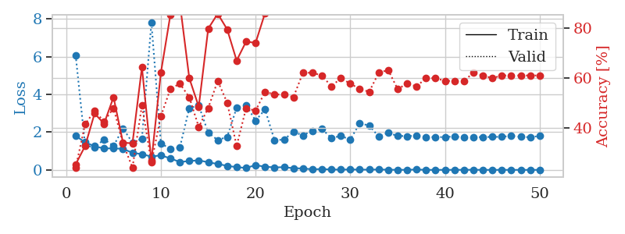
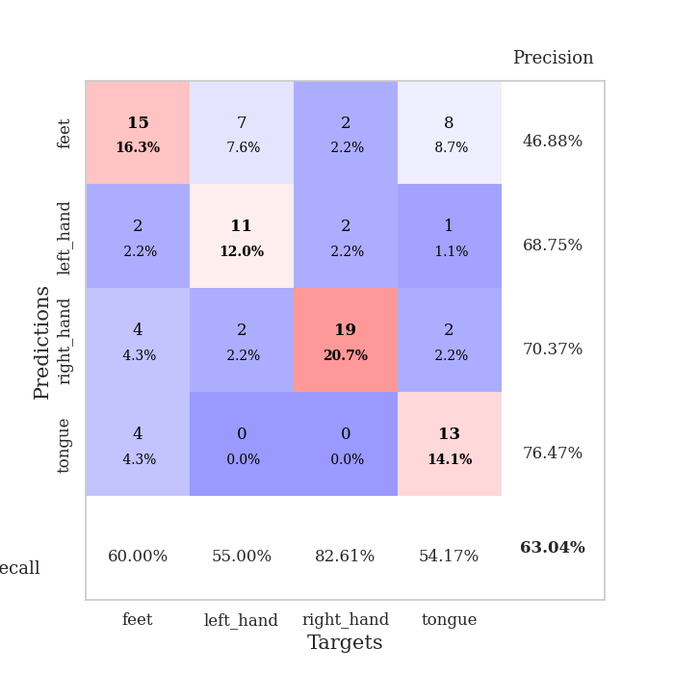
train_loss | valid_loss | train_accuracy | valid_accuracy | dur | train_misclass | valid_misclass
1.8070721885 | 6.0870970021 | 0.2527173913 | 0.23913043478 | 1.1525835991 | 25.27173913 | 23.913043478
1.4631832838 | 1.3051854424 | 0.32608695652 | 0.41304347826 | 1.1478364468 | 32.608695652 | 41.304347826
1.2558054846 | 1.1869100229 | 0.45652173913 | 0.46739130435 | 1.1510910988 | 45.652173913 | 46.739130435
1.1350877881 | 1.6235758818 | 0.41576086957 | 0.42391304348 | 1.1482183933 | 41.576086957 | 42.391304348
1.1479754033 | 1.2727888304 | 0.52173913043 | 0.47826086957 | 1.1481540203 | 52.173913043 | 47.826086957
1.1154521781 | 2.2009495756 | 0.33967391304 | 0.33695652174 | 1.1487073898 | 33.967391304 | 33.695652174
0.90751623848 | 1.4485533082 | 0.33695652174 | 0.23913043478 | 1.1488444805 | 33.695652174 | 23.913043478
0.83573462134 | 1.6593618548 | 0.64130434783 | 0.48913043478 | 1.1486570835 | 64.130434783 | 48.913043478
0.70856318007 | 7.8140372193 | 0.26630434783 | 0.26086956522 | 1.1499025822 | 26.630434783 | 26.086956522
0.77468818944 | 1.4074124668 | 0.61956521739 | 0.44565217391 | 1.1471869946 | 61.956521739 | 44.565217391
0.61170025364 | 1.1154652938 | 0.85054347826 | 0.55434782609 | 1.1485335827 | 85.054347826 | 55.434782609
0.42132627446 | 1.1864114274 | 0.89945652174 | 0.57608695652 | 1.1489095688 | 89.945652174 | 57.608695652
0.47025846593 | 3.2787218923 | 0.59782608696 | 0.52173913043 | 1.15264678 | 59.782608696 | 52.173913043
0.51033034402 | 3.4185894676 | 0.48369565217 | 0.40217391304 | 1.1481809616 | 48.369565217 | 40.217391304
0.40534927016 | 1.9714012716 | 0.79619565217 | 0.47826086957 | 1.1483502388 | 79.619565217 | 47.826086957
0.31412988642 | 1.5842568874 | 0.85597826087 | 0.58695652174 | 1.1474952698 | 85.597826087 | 58.695652174
0.21764240803 | 1.7505540951 | 0.79347826087 | 0.5 | 1.1495492458 | 79.347826087 | 50
0.14617983511 | 3.3002932175 | 0.66847826087 | 0.32608695652 | 1.1479189396 | 66.847826087 | 32.608695652
0.10584500683 | 3.4403211759 | 0.74456521739 | 0.47826086957 | 1.1491935253 | 74.456521739 | 47.826086957
0.2540769858 | 2.6141022133 | 0.73913043478 | 0.46739130435 | 1.1486620903 | 73.913043478 | 46.739130435
0.17054399986 | 3.2079943263 | 0.85869565217 | 0.54347826087 | 1.149518013 | 85.869565217 | 54.347826087
0.1346628393 | 1.5686767101 | 0.9972826087 | 0.53260869565 | 1.1497151852 | 99.72826087 | 53.260869565
0.14535787491 | 1.6146854214 | 0.96467391304 | 0.53260869565 | 1.1503922939 | 96.467391304 | 53.260869565
0.091378189623 | 2.014758732 | 0.88315217391 | 0.52173913043 | 1.1497209072 | 88.315217391 | 52.173913043
0.076839302586 | 1.8333890542 | 0.95108695652 | 0.61956521739 | 1.1503076553 | 95.108695652 | 61.956521739
0.033662282275 | 2.0753873535 | 0.96467391304 | 0.61956521739 | 1.1511981487 | 96.467391304 | 61.956521739
0.047652990476 | 2.172049595 | 1 | 0.60869565217 | 1.148640871 | 100 | 60.869565217
0.022234748664 | 1.6982506358 | 1 | 0.5652173913 | 1.1497089863 | 100 | 56.52173913
0.016905001992 | 1.796115388 | 1 | 0.59782608696 | 1.1489155293 | 100 | 59.782608696
0.025457880318 | 1.6131578943 | 0.99456521739 | 0.57608695652 | 1.1499605179 | 99.456521739 | 57.608695652
0.016965877938 | 2.4739294881 | 0.97554347826 | 0.55434782609 | 1.1500196457 | 97.554347826 | 55.434782609
0.015193834334 | 2.350896628 | 0.9972826087 | 0.54347826087 | 1.1500723362 | 99.72826087 | 54.347826087
0.02383341742 | 1.7714934453 | 1 | 0.61956521739 | 1.1502673626 | 100 | 61.956521739
0.011864561205 | 1.9643875309 | 1 | 0.63043478261 | 1.1508505344 | 100 | 63.043478261
0.0048793552433 | 1.8053283588 | 1 | 0.55434782609 | 1.1519293785 | 100 | 55.434782609
0.0062352198267 | 1.7927903403 | 1 | 0.57608695652 | 1.1495361328 | 100 | 57.608695652
0.022174128306 | 1.8134065193 | 1 | 0.5652173913 | 1.150087595 | 100 | 56.52173913
0.003575819423 | 1.7509288892 | 1 | 0.59782608696 | 1.1489739418 | 100 | 59.782608696
0.0027290601309 | 1.7372343437 | 1 | 0.59782608696 | 1.1500566006 | 100 | 59.782608696
0.004901151331 | 1.7446994367 | 1 | 0.58695652174 | 1.1503224373 | 100 | 58.695652174
0.0046207843141 | 1.7748993376 | 1 | 0.58695652174 | 1.1502056122 | 100 | 58.695652174
0.0064453243129 | 1.7239312193 | 1 | 0.58695652174 | 1.1503384113 | 100 | 58.695652174
0.0086456052832 | 1.7450952115 | 1 | 0.61956521739 | 1.1498985291 | 100 | 61.956521739
0.0030362879321 | 1.7404845383 | 1 | 0.60869565217 | 1.1507985592 | 100 | 60.869565217
0.0027185925789 | 1.7520930352 | 1 | 0.59782608696 | 1.1505920887 | 100 | 59.782608696
0.0036529414735 | 1.7541719934 | 1 | 0.60869565217 | 1.1511468887 | 100 | 60.869565217
0.0027984850901 | 1.8086116418 | 1 | 0.60869565217 | 1.1506636143 | 100 | 60.869565217
0.0033694732853 | 1.7538341128 | 1 | 0.60869565217 | 1.150844574 | 100 | 60.869565217
0.0015799867283 | 1.7367031263 | 1 | 0.60869565217 | 1.1507592201 | 100 | 60.869565217
0.0046102427624 | 1.8002476381 | 1 | 0.60869565217 | 1.1514048576 | 100 | 60.869565217

Best Val accuracy is 0.6304347826086957 and Best test accuracy is 0.5258620689655172

